largest_angle
image | evidence_image | task | task_variant | prompt | prompt_answer_only | answer | answer_evidence | answer_type | evidence_type | instance_seed | image_path | data_path
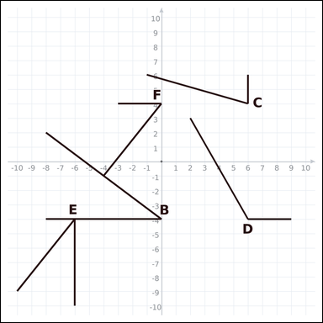 | 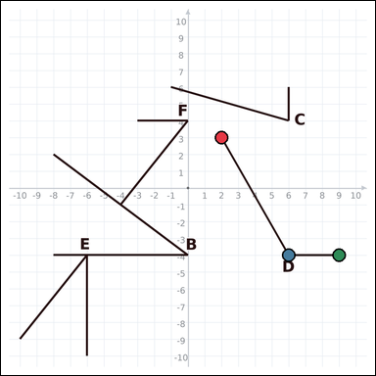 | task_geometry_comparison_value | largest_angle | Work from the graph-paper image showing several labeled angles. Which labeled angle has the greatest measure? Return a valid JSON object with keys "evidence" and "answer" in that order. Evidence rule: set "evidence" to an array of exactly three graph-paper points for the winning angle: the vertex and the two ray endpoints. Answer rule: set "answer" to the single-letter label of the correct angle. Example JSON: {"evidence":[[0,0],[4,0],[0,3]],"answer":"B"} | Work from the graph-paper image showing several labeled angles. Which labeled angle has the greatest measure? Return a valid JSON object with key "answer". Answer format: set "answer" to the single-letter label of the correct angle. Example JSON: {"answer":"B"} | {"evidence": [[2, 3], [6, -4], [9, -4]], "answer": "D"} | [[2, 3], [6, -4], [9, -4]] | option_letter | graph_point_set | 264730403519714 | geometry/task_geometry_comparison_value/images/largest_angle/0004.png | geometry/task_geometry_comparison_value/data/largest_angle/0004.json
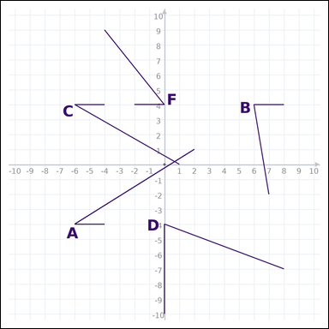 | 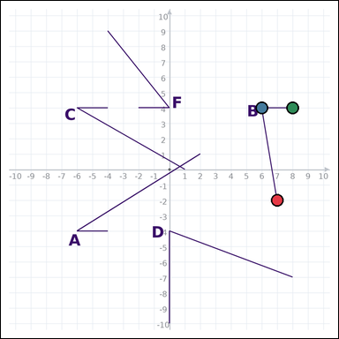 | task_geometry_comparison_value | largest_angle | Use the graph-paper diagram showing several labeled angles. Which labeled angle has the greatest measure? Return a valid JSON object with keys "evidence" and "answer" in that order. Evidence field: set "evidence" to an array of exactly three graph-paper points for the winning angle: the vertex and the two ray endpoints. Answer field: set "answer" to the single-letter label of the correct angle. Example JSON: {"evidence":[[0,0],[4,0],[0,3]],"answer":"B"} | Use the graph-paper diagram showing several labeled angles. Which labeled angle has the greatest measure? Return a valid JSON object with key "answer". Answer field: set "answer" to the single-letter label of the correct angle. Example JSON: {"answer":"B"} | {"evidence": [[7, -2], [6, 4], [8, 4]], "answer": "B"} | [[7, -2], [6, 4], [8, 4]] | option_letter | graph_point_set | 324052148708277 | geometry/task_geometry_comparison_value/images/largest_angle/0016.png | geometry/task_geometry_comparison_value/data/largest_angle/0016.json
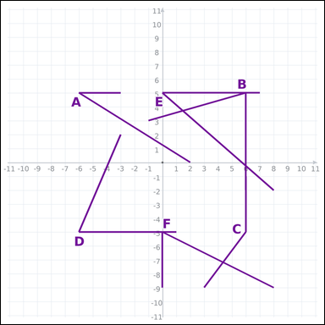 | 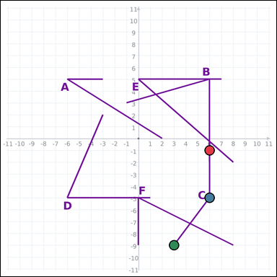 | task_geometry_comparison_value | largest_angle | Use the graph-paper diagram showing several labeled angles. Which labeled angle has the greatest measure? Return a valid JSON object with keys "evidence" and "answer" in that order. Evidence: set "evidence" to an array of exactly three graph-paper points for the winning angle: the vertex and the two ray endpoints. Answer: set "answer" to the single-letter label of the correct angle. Example JSON: {"evidence":[[0,0],[4,0],[0,3]],"answer":"B"} | Use the graph-paper diagram showing several labeled angles. Which labeled angle has the greatest measure? Return a valid JSON object with key "answer". Answer: set "answer" to the single-letter label of the correct angle. Example JSON: {"answer":"B"} | {"evidence": [[6, -1], [6, -5], [3, -9]], "answer": "C"} | [[6, -1], [6, -5], [3, -9]] | option_letter | graph_point_set | 663282501552694 | geometry/task_geometry_comparison_value/images/largest_angle/0023.png | geometry/task_geometry_comparison_value/data/largest_angle/0023.json
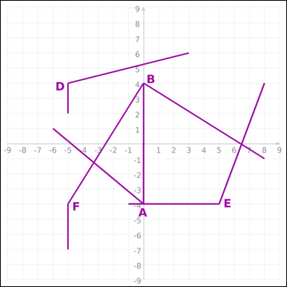 | 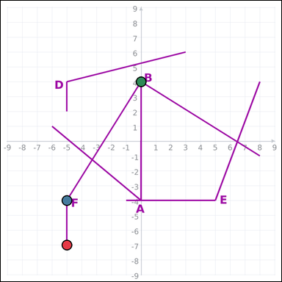 | task_geometry_comparison_value | largest_angle | Use the graph-paper diagram showing several labeled angles. Task: Which labeled angle has the greatest measure? Return a valid JSON object with keys "evidence" and "answer" in that order. Evidence: set "evidence" to an array of exactly three graph-paper points for the winning angle: the vertex and the two ray endpoints. Answer: set "answer" to the single-letter label of the correct angle. Example JSON: {"evidence":[[0,0],[4,0],[0,3]],"answer":"B"} | Use the graph-paper diagram showing several labeled angles. Task: Which labeled angle has the greatest measure? Return a valid JSON object with key "answer". Answer rule: set "answer" to the single-letter label of the correct angle. Example JSON: {"answer":"B"} | {"evidence": [[-5, -7], [-5, -4], [0, 4]], "answer": "F"} | [[-5, -7], [-5, -4], [0, 4]] | option_letter | graph_point_set | 676702433119773 | geometry/task_geometry_comparison_value/images/largest_angle/0007.png | geometry/task_geometry_comparison_value/data/largest_angle/0007.json
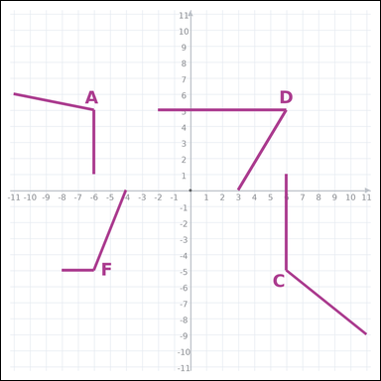 | 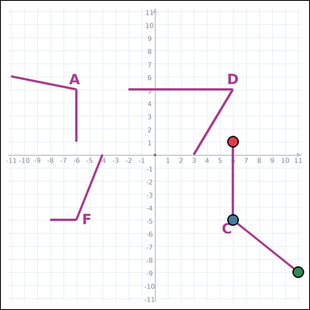 | task_geometry_comparison_value | largest_angle | You are given a graph-paper image showing several labeled angles. Determine the answer: Which labeled angle has the greatest measure? Return a valid JSON object with keys "evidence" and "answer" in that order. Evidence: set "evidence" to an array of exactly three graph-paper points for the winning angle: the vertex and the two ray endpoints. Answer: set "answer" to the single-letter label of the correct angle. Example JSON: {"evidence":[[0,0],[4,0],[0,3]],"answer":"B"} | You are given a graph-paper image showing several labeled angles. Determine the answer: Which labeled angle has the greatest measure? Return a valid JSON object with key "answer". Answer field: set "answer" to the single-letter label of the correct angle. Example JSON: {"answer":"B"} | {"evidence": [[6, 1], [6, -5], [11, -9]], "answer": "C"} | [[6, 1], [6, -5], [11, -9]] | option_letter | graph_point_set | 1.8870403226E+15 | geometry/task_geometry_comparison_value/images/largest_angle/0000.png | geometry/task_geometry_comparison_value/data/largest_angle/0000.json
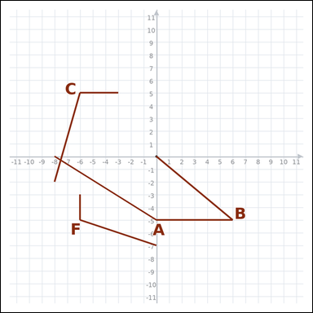 | 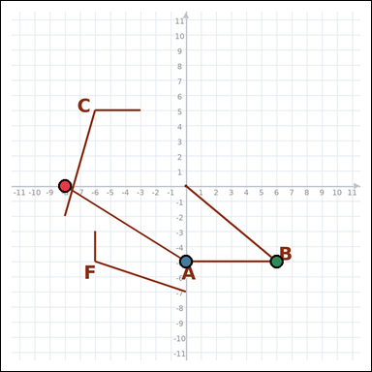 | task_geometry_comparison_value | largest_angle | Look at the graph-paper image showing several labeled angles. Question: Which labeled angle has the greatest measure? Return a valid JSON object with keys "evidence" and "answer" in that order. Evidence field: set "evidence" to an array of exactly three graph-paper points for the winning angle: the vertex and the two ray endpoints. Answer field: set "answer" to the single-letter label of the correct angle. Example JSON: {"evidence":[[0,0],[4,0],[0,3]],"answer":"B"} | Look at the graph-paper image showing several labeled angles. Question: Which labeled angle has the greatest measure? Return a valid JSON object with key "answer". Answer: set "answer" to the single-letter label of the correct angle. Example JSON: {"answer":"B"} | {"evidence": [[-8, 0], [0, -5], [6, -5]], "answer": "A"} | [[-8, 0], [0, -5], [6, -5]] | option_letter | graph_point_set | 1.909643436E+15 | geometry/task_geometry_comparison_value/images/largest_angle/0010.png | geometry/task_geometry_comparison_value/data/largest_angle/0010.json
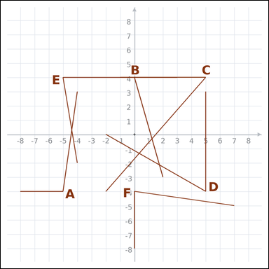 | 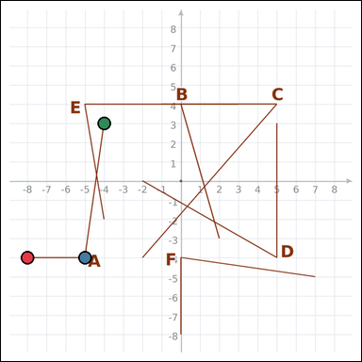 | task_geometry_comparison_value | largest_angle | The graph-paper image shows several labeled angles. Determine the answer: Which labeled angle has the greatest measure? Return a valid JSON object with keys "evidence" and "answer" in that order. Evidence requirement: set "evidence" to an array of exactly three graph-paper points for the winning angle: the vertex and the two ray endpoints. Answer format: set "answer" to the single-letter label of the correct angle. Example JSON: {"evidence":[[0,0],[4,0],[0,3]],"answer":"B"} | The graph-paper image shows several labeled angles. Determine the answer: Which labeled angle has the greatest measure? Return a valid JSON object with key "answer". Answer field: set "answer" to the single-letter label of the correct angle. Example JSON: {"answer":"B"} | {"evidence": [[-8, -4], [-5, -4], [-4, 3]], "answer": "A"} | [[-8, -4], [-5, -4], [-4, 3]] | option_letter | graph_point_set | 1.9925009258E+15 | geometry/task_geometry_comparison_value/images/largest_angle/0022.png | geometry/task_geometry_comparison_value/data/largest_angle/0022.json
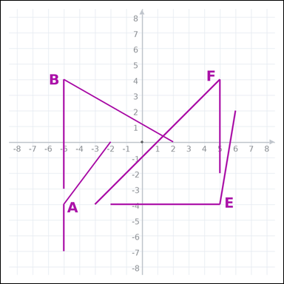 | 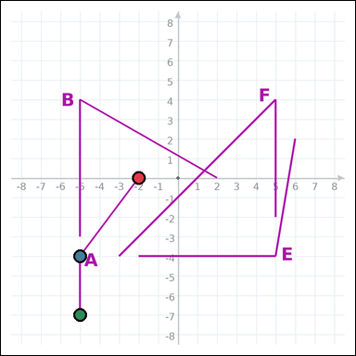 | task_geometry_comparison_value | largest_angle | Use the graph-paper diagram showing several labeled angles. Task: Which labeled angle has the greatest measure? Return a valid JSON object with keys "evidence" and "answer" in that order. Evidence field: set "evidence" to an array of exactly three graph-paper points for the winning angle: the vertex and the two ray endpoints. Answer field: set "answer" to the single-letter label of the correct angle. Example JSON: {"evidence":[[0,0],[4,0],[0,3]],"answer":"B"} | Use the graph-paper diagram showing several labeled angles. Task: Which labeled angle has the greatest measure? Return a valid JSON object with key "answer". Answer rule: set "answer" to the single-letter label of the correct angle. Example JSON: {"answer":"B"} | {"evidence": [[-2, 0], [-5, -4], [-5, -7]], "answer": "A"} | [[-2, 0], [-5, -4], [-5, -7]] | option_letter | graph_point_set | 2.375560114E+15 | geometry/task_geometry_comparison_value/images/largest_angle/0009.png | geometry/task_geometry_comparison_value/data/largest_angle/0009.json
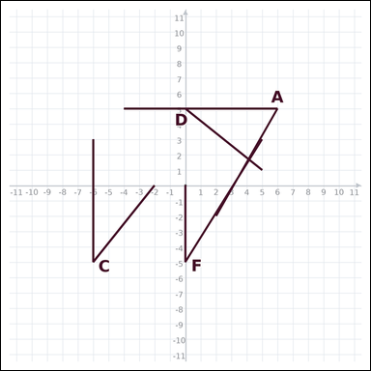 | 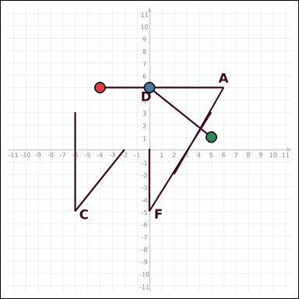 | task_geometry_comparison_value | largest_angle | The graph-paper image shows several labeled angles. Question: Which labeled angle has the greatest measure? Return a valid JSON object with keys "evidence" and "answer" in that order. Evidence rule: set "evidence" to an array of exactly three graph-paper points for the winning angle: the vertex and the two ray endpoints. Answer rule: set "answer" to the single-letter label of the correct angle. Example JSON: {"evidence":[[0,0],[4,0],[0,3]],"answer":"B"} | The graph-paper image shows several labeled angles. Question: Which labeled angle has the greatest measure? Return a valid JSON object with key "answer". Answer: set "answer" to the single-letter label of the correct angle. Example JSON: {"answer":"B"} | {"evidence": [[-4, 5], [0, 5], [5, 1]], "answer": "D"} | [[-4, 5], [0, 5], [5, 1]] | option_letter | graph_point_set | 2.776571923E+15 | geometry/task_geometry_comparison_value/images/largest_angle/0020.png | geometry/task_geometry_comparison_value/data/largest_angle/0020.json
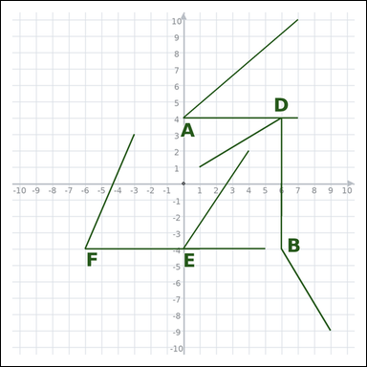 | 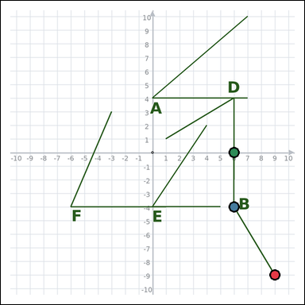 | task_geometry_comparison_value | largest_angle | Use the graph-paper diagram showing several labeled angles. Answer this question: Which labeled angle has the greatest measure? Return a valid JSON object with keys "evidence" and "answer" in that order. Evidence format: set "evidence" to an array of exactly three graph-paper points for the winning angle: the vertex and the two ray endpoints. Answer requirement: set "answer" to the single-letter label of the correct angle. Example JSON: {"evidence":[[0,0],[4,0],[0,3]],"answer":"B"} | Use the graph-paper diagram showing several labeled angles. Answer this question: Which labeled angle has the greatest measure? Return a valid JSON object with key "answer". Answer format: set "answer" to the single-letter label of the correct angle. Example JSON: {"answer":"B"} | {"evidence": [[9, -9], [6, -4], [6, 0]], "answer": "B"} | [[9, -9], [6, -4], [6, 0]] | option_letter | graph_point_set | 3.1450136685E+15 | geometry/task_geometry_comparison_value/images/largest_angle/0014.png | geometry/task_geometry_comparison_value/data/largest_angle/0014.json
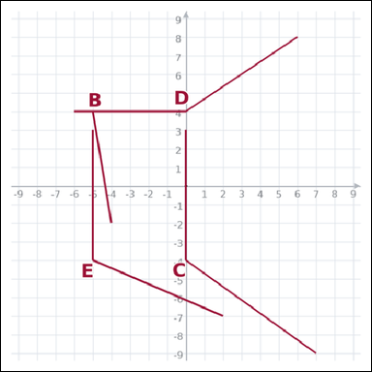 | 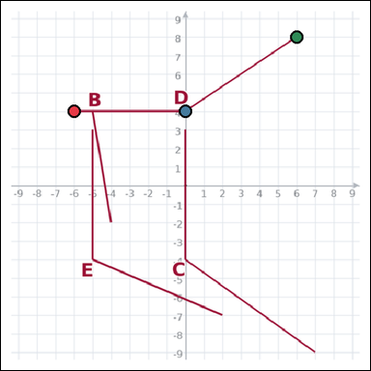 | task_geometry_comparison_value | largest_angle | Work from the graph-paper image showing several labeled angles. Task: Which labeled angle has the greatest measure? Return a valid JSON object with keys "evidence" and "answer" in that order. Evidence: set "evidence" to an array of exactly three graph-paper points for the winning angle: the vertex and the two ray endpoints. Answer: set "answer" to the single-letter label of the correct angle. Example JSON: {"evidence":[[0,0],[4,0],[0,3]],"answer":"B"} | Work from the graph-paper image showing several labeled angles. Task: Which labeled angle has the greatest measure? Return a valid JSON object with key "answer". Answer format: set "answer" to the single-letter label of the correct angle. Example JSON: {"answer":"B"} | {"evidence": [[-6, 4], [0, 4], [6, 8]], "answer": "D"} | [[-6, 4], [0, 4], [6, 8]] | option_letter | graph_point_set | 3.3186469938E+15 | geometry/task_geometry_comparison_value/images/largest_angle/0002.png | geometry/task_geometry_comparison_value/data/largest_angle/0002.json
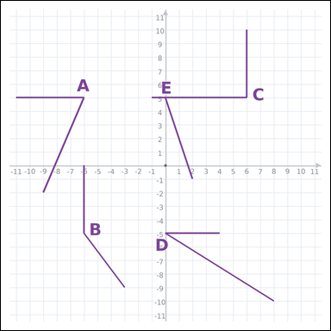 | 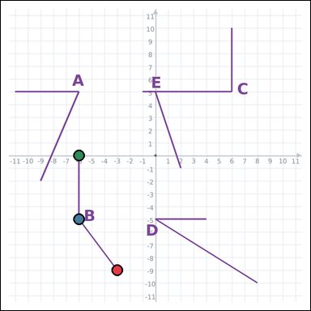 | task_geometry_comparison_value | largest_angle | You are given a graph-paper image showing several labeled angles. Question: Which labeled angle has the greatest measure? Return a valid JSON object with keys "evidence" and "answer" in that order. Evidence field: set "evidence" to an array of exactly three graph-paper points for the winning angle: the vertex and the two ray endpoints. Answer field: set "answer" to the single-letter label of the correct angle. Example JSON: {"evidence":[[0,0],[4,0],[0,3]],"answer":"B"} | You are given a graph-paper image showing several labeled angles. Question: Which labeled angle has the greatest measure? Return a valid JSON object with key "answer". Answer requirement: set "answer" to the single-letter label of the correct angle. Example JSON: {"answer":"B"} | {"evidence": [[-3, -9], [-6, -5], [-6, 0]], "answer": "B"} | [[-3, -9], [-6, -5], [-6, 0]] | option_letter | graph_point_set | 3.4804880614E+15 | geometry/task_geometry_comparison_value/images/largest_angle/0011.png | geometry/task_geometry_comparison_value/data/largest_angle/0011.json
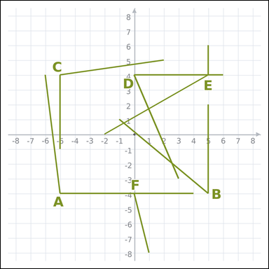 | 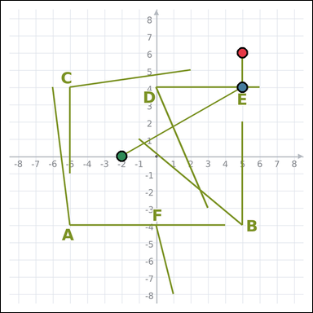 | task_geometry_comparison_value | largest_angle | Look at the graph-paper image showing several labeled angles. Answer this question: Which labeled angle has the greatest measure? Return a valid JSON object with keys "evidence" and "answer" in that order. Evidence field: set "evidence" to an array of exactly three graph-paper points for the winning angle: the vertex and the two ray endpoints. Answer field: set "answer" to the single-letter label of the correct angle. Example JSON: {"evidence":[[0,0],[4,0],[0,3]],"answer":"B"} | Look at the graph-paper image showing several labeled angles. Answer this question: Which labeled angle has the greatest measure? Return a valid JSON object with key "answer". Answer format: set "answer" to the single-letter label of the correct angle. Example JSON: {"answer":"B"} | {"evidence": [[5, 6], [5, 4], [-2, 0]], "answer": "E"} | [[5, 6], [5, 4], [-2, 0]] | option_letter | graph_point_set | 3.7110908277E+15 | geometry/task_geometry_comparison_value/images/largest_angle/0006.png | geometry/task_geometry_comparison_value/data/largest_angle/0006.json
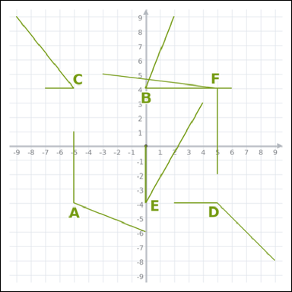 | 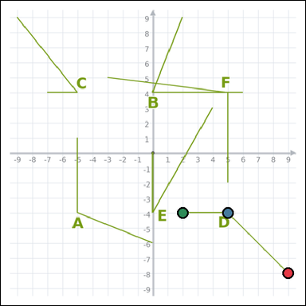 | task_geometry_comparison_value | largest_angle | You are given a graph-paper image showing several labeled angles. Which labeled angle has the greatest measure? Return a valid JSON object with keys "evidence" and "answer" in that order. Evidence field: set "evidence" to an array of exactly three graph-paper points for the winning angle: the vertex and the two ray endpoints. Answer field: set "answer" to the single-letter label of the correct angle. Example JSON: {"evidence":[[0,0],[4,0],[0,3]],"answer":"B"} | You are given a graph-paper image showing several labeled angles. Which labeled angle has the greatest measure? Return a valid JSON object with key "answer". Answer: set "answer" to the single-letter label of the correct angle. Example JSON: {"answer":"B"} | {"evidence": [[9, -8], [5, -4], [2, -4]], "answer": "D"} | [[9, -8], [5, -4], [2, -4]] | option_letter | graph_point_set | 4.4889554013E+15 | geometry/task_geometry_comparison_value/images/largest_angle/0013.png | geometry/task_geometry_comparison_value/data/largest_angle/0013.json
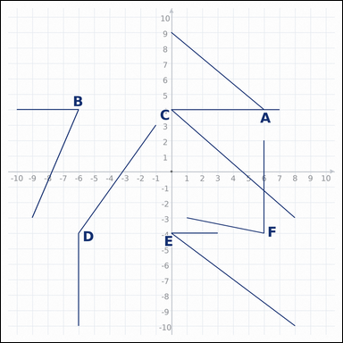 | 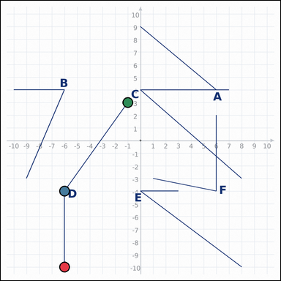 | task_geometry_comparison_value | largest_angle | You are given a graph-paper image showing several labeled angles. Which labeled angle has the greatest measure? Return a valid JSON object with keys "evidence" and "answer" in that order. Evidence rule: set "evidence" to an array of exactly three graph-paper points for the winning angle: the vertex and the two ray endpoints. Answer rule: set "answer" to the single-letter label of the correct angle. Example JSON: {"evidence":[[0,0],[4,0],[0,3]],"answer":"B"} | You are given a graph-paper image showing several labeled angles. Which labeled angle has the greatest measure? Return a valid JSON object with key "answer". Answer requirement: set "answer" to the single-letter label of the correct angle. Example JSON: {"answer":"B"} | {"evidence": [[-6, -10], [-6, -4], [-1, 3]], "answer": "D"} | [[-6, -10], [-6, -4], [-1, 3]] | option_letter | graph_point_set | 4.6266352845E+15 | geometry/task_geometry_comparison_value/images/largest_angle/0019.png | geometry/task_geometry_comparison_value/data/largest_angle/0019.json
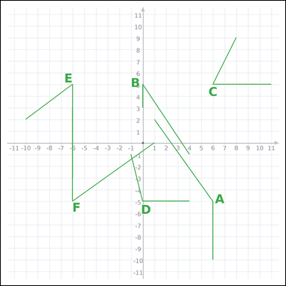 | 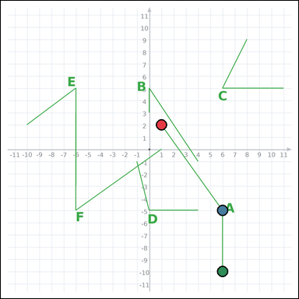 | task_geometry_comparison_value | largest_angle | Use the graph-paper diagram showing several labeled angles. Determine the answer: Which labeled angle has the greatest measure? Return a valid JSON object with keys "evidence" and "answer" in that order. Evidence field: set "evidence" to an array of exactly three graph-paper points for the winning angle: the vertex and the two ray endpoints. Answer field: set "answer" to the single-letter label of the correct angle. Example JSON: {"evidence":[[0,0],[4,0],[0,3]],"answer":"B"} | Use the graph-paper diagram showing several labeled angles. Determine the answer: Which labeled angle has the greatest measure? Return a valid JSON object with key "answer". Answer requirement: set "answer" to the single-letter label of the correct angle. Example JSON: {"answer":"B"} | {"evidence": [[1, 2], [6, -5], [6, -10]], "answer": "A"} | [[1, 2], [6, -5], [6, -10]] | option_letter | graph_point_set | 4.632460133E+15 | geometry/task_geometry_comparison_value/images/largest_angle/0003.png | geometry/task_geometry_comparison_value/data/largest_angle/0003.json
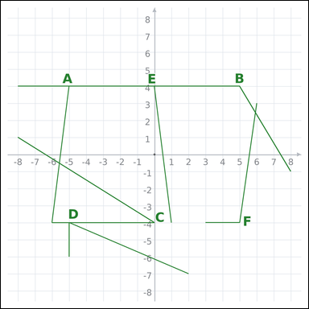 | 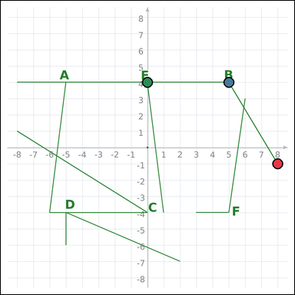 | task_geometry_comparison_value | largest_angle | You are given a graph-paper image showing several labeled angles. Task: Which labeled angle has the greatest measure? Return a valid JSON object with keys "evidence" and "answer" in that order. Evidence: set "evidence" to an array of exactly three graph-paper points for the winning angle: the vertex and the two ray endpoints. Answer: set "answer" to the single-letter label of the correct angle. Example JSON: {"evidence":[[0,0],[4,0],[0,3]],"answer":"B"} | You are given a graph-paper image showing several labeled angles. Task: Which labeled angle has the greatest measure? Return a valid JSON object with key "answer". Answer: set "answer" to the single-letter label of the correct angle. Example JSON: {"answer":"B"} | {"evidence": [[8, -1], [5, 4], [0, 4]], "answer": "B"} | [[8, -1], [5, 4], [0, 4]] | option_letter | graph_point_set | 5.0120641402E+15 | geometry/task_geometry_comparison_value/images/largest_angle/0021.png | geometry/task_geometry_comparison_value/data/largest_angle/0021.json
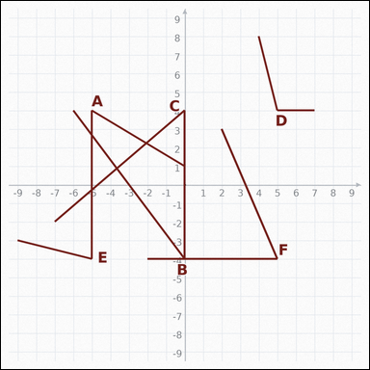 | 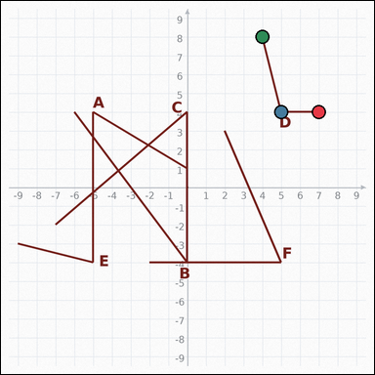 | task_geometry_comparison_value | largest_angle | Look at the graph-paper image showing several labeled angles. Which labeled angle has the greatest measure? Return a valid JSON object with keys "evidence" and "answer" in that order. Evidence requirement: set "evidence" to an array of exactly three graph-paper points for the winning angle: the vertex and the two ray endpoints. Answer format: set "answer" to the single-letter label of the correct angle. Example JSON: {"evidence":[[0,0],[4,0],[0,3]],"answer":"B"} | Look at the graph-paper image showing several labeled angles. Which labeled angle has the greatest measure? Return a valid JSON object with key "answer". Answer: set "answer" to the single-letter label of the correct angle. Example JSON: {"answer":"B"} | {"evidence": [[7, 4], [5, 4], [4, 8]], "answer": "D"} | [[7, 4], [5, 4], [4, 8]] | option_letter | graph_point_set | 5.6544504024E+15 | geometry/task_geometry_comparison_value/images/largest_angle/0005.png | geometry/task_geometry_comparison_value/data/largest_angle/0005.json
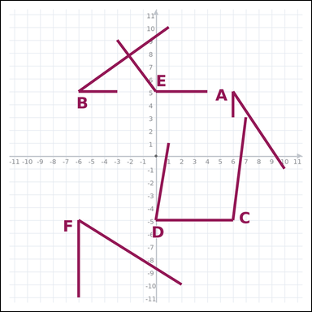 | 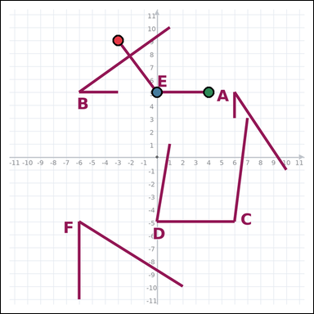 | task_geometry_comparison_value | largest_angle | Look at the graph-paper image showing several labeled angles. Determine the answer: Which labeled angle has the greatest measure? Return a valid JSON object with keys "evidence" and "answer" in that order. Evidence: set "evidence" to an array of exactly three graph-paper points for the winning angle: the vertex and the two ray endpoints. Answer: set "answer" to the single-letter label of the correct angle. Example JSON: {"evidence":[[0,0],[4,0],[0,3]],"answer":"B"} | Look at the graph-paper image showing several labeled angles. Determine the answer: Which labeled angle has the greatest measure? Return a valid JSON object with key "answer". Answer field: set "answer" to the single-letter label of the correct angle. Example JSON: {"answer":"B"} | {"evidence": [[-3, 9], [0, 5], [4, 5]], "answer": "E"} | [[-3, 9], [0, 5], [4, 5]] | option_letter | graph_point_set | 5.6944477018E+15 | geometry/task_geometry_comparison_value/images/largest_angle/0017.png | geometry/task_geometry_comparison_value/data/largest_angle/0017.json
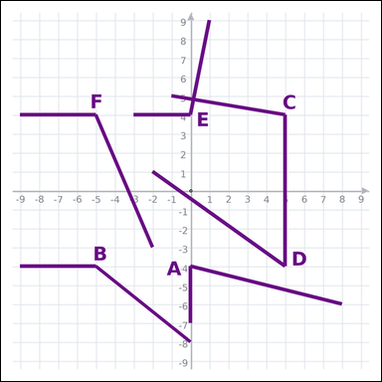 | 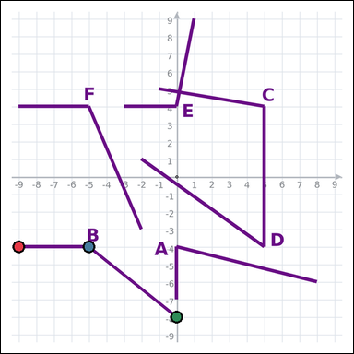 | task_geometry_comparison_value | largest_angle | The graph-paper image shows several labeled angles. Answer this question: Which labeled angle has the greatest measure? Return a valid JSON object with keys "evidence" and "answer" in that order. Evidence: set "evidence" to an array of exactly three graph-paper points for the winning angle: the vertex and the two ray endpoints. Answer: set "answer" to the single-letter label of the correct angle. Example JSON: {"evidence":[[0,0],[4,0],[0,3]],"answer":"B"} | The graph-paper image shows several labeled angles. Answer this question: Which labeled angle has the greatest measure? Return a valid JSON object with key "answer". Answer format: set "answer" to the single-letter label of the correct angle. Example JSON: {"answer":"B"} | {"evidence": [[-9, -4], [-5, -4], [0, -8]], "answer": "B"} | [[-9, -4], [-5, -4], [0, -8]] | option_letter | graph_point_set | 7.1245567166E+15 | geometry/task_geometry_comparison_value/images/largest_angle/0001.png | geometry/task_geometry_comparison_value/data/largest_angle/0001.json
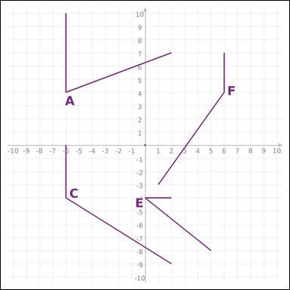 | 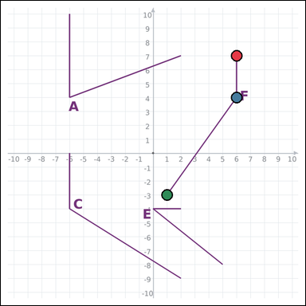 | task_geometry_comparison_value | largest_angle | Look at the graph-paper image showing several labeled angles. Question: Which labeled angle has the greatest measure? Return a valid JSON object with keys "evidence" and "answer" in that order. Evidence rule: set "evidence" to an array of exactly three graph-paper points for the winning angle: the vertex and the two ray endpoints. Answer rule: set "answer" to the single-letter label of the correct angle. Example JSON: {"evidence":[[0,0],[4,0],[0,3]],"answer":"B"} | Look at the graph-paper image showing several labeled angles. Question: Which labeled angle has the greatest measure? Return a valid JSON object with key "answer". Answer field: set "answer" to the single-letter label of the correct angle. Example JSON: {"answer":"B"} | {"evidence": [[6, 7], [6, 4], [1, -3]], "answer": "F"} | [[6, 7], [6, 4], [1, -3]] | option_letter | graph_point_set | 7.7587581231E+15 | geometry/task_geometry_comparison_value/images/largest_angle/0012.png | geometry/task_geometry_comparison_value/data/largest_angle/0012.json
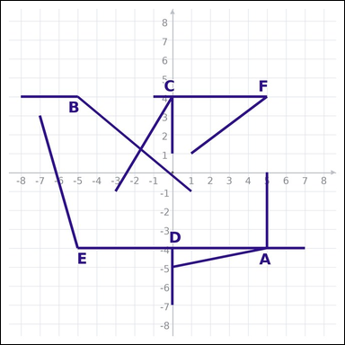 | 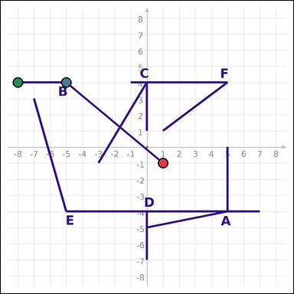 | task_geometry_comparison_value | largest_angle | Use the graph-paper diagram showing several labeled angles. Task: Which labeled angle has the greatest measure? Return a valid JSON object with keys "evidence" and "answer" in that order. Evidence rule: set "evidence" to an array of exactly three graph-paper points for the winning angle: the vertex and the two ray endpoints. Answer rule: set "answer" to the single-letter label of the correct angle. Example JSON: {"evidence":[[0,0],[4,0],[0,3]],"answer":"B"} | Use the graph-paper diagram showing several labeled angles. Task: Which labeled angle has the greatest measure? Return a valid JSON object with key "answer". Answer requirement: set "answer" to the single-letter label of the correct angle. Example JSON: {"answer":"B"} | {"evidence": [[1, -1], [-5, 4], [-8, 4]], "answer": "B"} | [[1, -1], [-5, 4], [-8, 4]] | option_letter | graph_point_set | 7.879251616E+15 | geometry/task_geometry_comparison_value/images/largest_angle/0008.png | geometry/task_geometry_comparison_value/data/largest_angle/0008.json
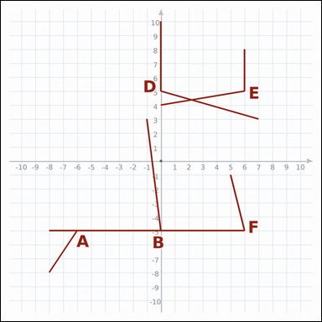 | 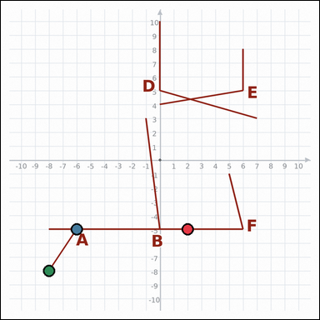 | task_geometry_comparison_value | largest_angle | Look at the graph-paper image showing several labeled angles. Which labeled angle has the greatest measure? Return a valid JSON object with keys "evidence" and "answer" in that order. Evidence field: set "evidence" to an array of exactly three graph-paper points for the winning angle: the vertex and the two ray endpoints. Answer field: set "answer" to the single-letter label of the correct angle. Example JSON: {"evidence":[[0,0],[4,0],[0,3]],"answer":"B"} | Look at the graph-paper image showing several labeled angles. Which labeled angle has the greatest measure? Return a valid JSON object with key "answer". Answer format: set "answer" to the single-letter label of the correct angle. Example JSON: {"answer":"B"} | {"evidence": [[2, -5], [-6, -5], [-8, -8]], "answer": "A"} | [[2, -5], [-6, -5], [-8, -8]] | option_letter | graph_point_set | 7.8849935018E+15 | geometry/task_geometry_comparison_value/images/largest_angle/0015.png | geometry/task_geometry_comparison_value/data/largest_angle/0015.json
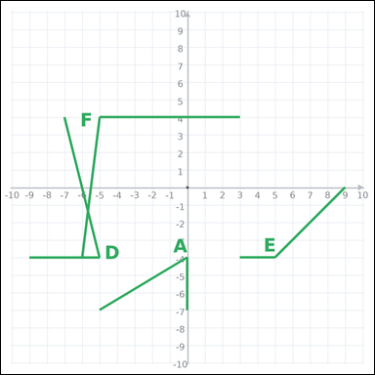 | 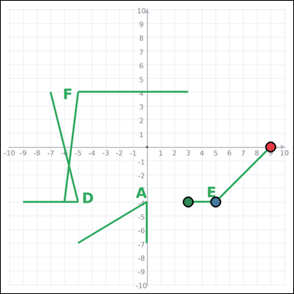 | task_geometry_comparison_value | largest_angle | You are given a graph-paper image showing several labeled angles. Task: Which labeled angle has the greatest measure? Return a valid JSON object with keys "evidence" and "answer" in that order. Evidence: set "evidence" to an array of exactly three graph-paper points for the winning angle: the vertex and the two ray endpoints. Answer: set "answer" to the single-letter label of the correct angle. Example JSON: {"evidence":[[0,0],[4,0],[0,3]],"answer":"B"} | You are given a graph-paper image showing several labeled angles. Task: Which labeled angle has the greatest measure? Return a valid JSON object with key "answer". Answer: set "answer" to the single-letter label of the correct angle. Example JSON: {"answer":"B"} | {"evidence": [[9, 0], [5, -4], [3, -4]], "answer": "E"} | [[9, 0], [5, -4], [3, -4]] | option_letter | graph_point_set | 8.7630845577E+15 | geometry/task_geometry_comparison_value/images/largest_angle/0024.png | geometry/task_geometry_comparison_value/data/largest_angle/0024.json
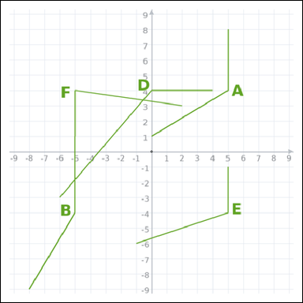 | 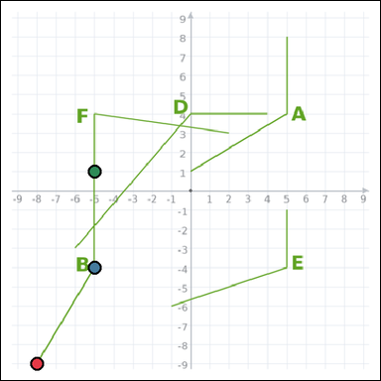 | task_geometry_comparison_value | largest_angle | You are given a graph-paper image showing several labeled angles. Task: Which labeled angle has the greatest measure? Return a valid JSON object with keys "evidence" and "answer" in that order. Evidence format: set "evidence" to an array of exactly three graph-paper points for the winning angle: the vertex and the two ray endpoints. Answer requirement: set "answer" to the single-letter label of the correct angle. Example JSON: {"evidence":[[0,0],[4,0],[0,3]],"answer":"B"} | You are given a graph-paper image showing several labeled angles. Task: Which labeled angle has the greatest measure? Return a valid JSON object with key "answer". Answer rule: set "answer" to the single-letter label of the correct angle. Example JSON: {"answer":"B"} | {"evidence": [[-8, -9], [-5, -4], [-5, 1]], "answer": "B"} | [[-8, -9], [-5, -4], [-5, 1]] | option_letter | graph_point_set | 8.9896935868E+15 | geometry/task_geometry_comparison_value/images/largest_angle/0018.png | geometry/task_geometry_comparison_value/data/largest_angle/0018.json

largest_area
image | evidence_image | task | task_variant | prompt | prompt_answer_only | answer | answer_evidence | answer_type | evidence_type | instance_seed | image_path | data_path
 |  | task_geometry_comparison_value | largest_area | The graph-paper image shows several labeled rectangles. Determine the answer: Which labeled rectangle has the greatest area? Return a valid JSON object with keys "evidence" and "answer" in that order. Evidence: set "evidence" to an array of exactly four graph-paper points for the winning rectangle vertices. Answer: set "answer" to the single-letter label of the correct rectangle. Example JSON: {"evidence":[[0,0],[4,0],[4,2],[0,2]],"answer":"B"} | The graph-paper image shows several labeled rectangles. Determine the answer: Which labeled rectangle has the greatest area? Return a valid JSON object with key "answer". Answer field: set "answer" to the single-letter label of the correct rectangle. Example JSON: {"answer":"B"} | {"evidence": [[-9, 3], [-5, 3], [-5, 9], [-9, 9]], "answer": "D"} | [[-9, 3], [-5, 3], [-5, 9], [-9, 9]] | option_letter | graph_point_set | 312846875454366 | geometry/task_geometry_comparison_value/images/largest_area/0013.png | geometry/task_geometry_comparison_value/data/largest_area/0013.json
 |  | task_geometry_comparison_value | largest_area | You are given a graph-paper image showing several labeled rectangles. Which labeled rectangle has the greatest area? Return a valid JSON object with keys "evidence" and "answer" in that order. Evidence rule: set "evidence" to an array of exactly four graph-paper points for the winning rectangle vertices. Answer rule: set "answer" to the single-letter label of the correct rectangle. Example JSON: {"evidence":[[0,0],[4,0],[4,2],[0,2]],"answer":"B"} | You are given a graph-paper image showing several labeled rectangles. Which labeled rectangle has the greatest area? Return a valid JSON object with key "answer". Answer field: set "answer" to the single-letter label of the correct rectangle. Example JSON: {"answer":"B"} | {"evidence": [[5, -3], [9, -3], [9, 3], [5, 3]], "answer": "F"} | [[5, -3], [9, -3], [9, 3], [5, 3]] | option_letter | graph_point_set | 622116385624131 | geometry/task_geometry_comparison_value/images/largest_area/0001.png | geometry/task_geometry_comparison_value/data/largest_area/0001.json
 |  | task_geometry_comparison_value | largest_area | You are given a graph-paper image showing several labeled rectangles. Task: Which labeled rectangle has the greatest area? Return a valid JSON object with keys "evidence" and "answer" in that order. Evidence requirement: set "evidence" to an array of exactly four graph-paper points for the winning rectangle vertices. Answer format: set "answer" to the single-letter label of the correct rectangle. Example JSON: {"evidence":[[0,0],[4,0],[4,2],[0,2]],"answer":"B"} | You are given a graph-paper image showing several labeled rectangles. Task: Which labeled rectangle has the greatest area? Return a valid JSON object with key "answer". Answer requirement: set "answer" to the single-letter label of the correct rectangle. Example JSON: {"answer":"B"} | {"evidence": [[-9, -3], [-4, -3], [-4, 3], [-9, 3]], "answer": "D"} | [[-9, -3], [-4, -3], [-4, 3], [-9, 3]] | option_letter | graph_point_set | 725165172193617 | geometry/task_geometry_comparison_value/images/largest_area/0010.png | geometry/task_geometry_comparison_value/data/largest_area/0010.json
 |  | task_geometry_comparison_value | largest_area | Look at the graph-paper image showing several labeled rectangles. Which labeled rectangle has the greatest area? Return a valid JSON object with keys "evidence" and "answer" in that order. Evidence requirement: set "evidence" to an array of exactly four graph-paper points for the winning rectangle vertices. Answer format: set "answer" to the single-letter label of the correct rectangle. Example JSON: {"evidence":[[0,0],[4,0],[4,2],[0,2]],"answer":"B"} | Look at the graph-paper image showing several labeled rectangles. Which labeled rectangle has the greatest area? Return a valid JSON object with key "answer". Answer field: set "answer" to the single-letter label of the correct rectangle. Example JSON: {"answer":"B"} | {"evidence": [[-11, -10], [-5, -10], [-5, -4], [-11, -4]], "answer": "B"} | [[-11, -10], [-5, -10], [-5, -4], [-11, -4]] | option_letter | graph_point_set | 769304340406935 | geometry/task_geometry_comparison_value/images/largest_area/0012.png | geometry/task_geometry_comparison_value/data/largest_area/0012.json
 |  | task_geometry_comparison_value | largest_area | You are given a graph-paper image showing several labeled rectangles. Determine the answer: Which labeled rectangle has the greatest area? Return a valid JSON object with keys "evidence" and "answer" in that order. Evidence rule: set "evidence" to an array of exactly four graph-paper points for the winning rectangle vertices. Answer rule: set "answer" to the single-letter label of the correct rectangle. Example JSON: {"evidence":[[0,0],[4,0],[4,2],[0,2]],"answer":"B"} | You are given a graph-paper image showing several labeled rectangles. Determine the answer: Which labeled rectangle has the greatest area? Return a valid JSON object with key "answer". Answer requirement: set "answer" to the single-letter label of the correct rectangle. Example JSON: {"answer":"B"} | {"evidence": [[-8, -3], [-3, -3], [-3, 3], [-8, 3]], "answer": "D"} | [[-8, -3], [-3, -3], [-3, 3], [-8, 3]] | option_letter | graph_point_set | 1.0596598811E+15 | geometry/task_geometry_comparison_value/images/largest_area/0009.png | geometry/task_geometry_comparison_value/data/largest_area/0009.json
 |  | task_geometry_comparison_value | largest_area | Use the graph-paper diagram showing several labeled rectangles. Question: Which labeled rectangle has the greatest area? Return a valid JSON object with keys "evidence" and "answer" in that order. Evidence format: set "evidence" to an array of exactly four graph-paper points for the winning rectangle vertices. Answer requirement: set "answer" to the single-letter label of the correct rectangle. Example JSON: {"evidence":[[0,0],[4,0],[4,2],[0,2]],"answer":"B"} | Use the graph-paper diagram showing several labeled rectangles. Question: Which labeled rectangle has the greatest area? Return a valid JSON object with key "answer". Answer format: set "answer" to the single-letter label of the correct rectangle. Example JSON: {"answer":"B"} | {"evidence": [[-8, -3], [-3, -3], [-3, 3], [-8, 3]], "answer": "A"} | [[-8, -3], [-3, -3], [-3, 3], [-8, 3]] | option_letter | graph_point_set | 1.2494166212E+15 | geometry/task_geometry_comparison_value/images/largest_area/0020.png | geometry/task_geometry_comparison_value/data/largest_area/0020.json
 |  | task_geometry_comparison_value | largest_area | You are given a graph-paper image showing several labeled rectangles. Question: Which labeled rectangle has the greatest area? Return a valid JSON object with keys "evidence" and "answer" in that order. Evidence requirement: set "evidence" to an array of exactly four graph-paper points for the winning rectangle vertices. Answer format: set "answer" to the single-letter label of the correct rectangle. Example JSON: {"evidence":[[0,0],[4,0],[4,2],[0,2]],"answer":"B"} | You are given a graph-paper image showing several labeled rectangles. Question: Which labeled rectangle has the greatest area? Return a valid JSON object with key "answer". Answer rule: set "answer" to the single-letter label of the correct rectangle. Example JSON: {"answer":"B"} | {"evidence": [[5, 2], [8, 2], [8, 8], [5, 8]], "answer": "F"} | [[5, 2], [8, 2], [8, 8], [5, 8]] | option_letter | graph_point_set | 1.2562895417E+15 | geometry/task_geometry_comparison_value/images/largest_area/0015.png | geometry/task_geometry_comparison_value/data/largest_area/0015.json
 |  | task_geometry_comparison_value | largest_area | The graph-paper image shows several labeled rectangles. Question: Which labeled rectangle has the greatest area? Return a valid JSON object with keys "evidence" and "answer" in that order. Evidence requirement: set "evidence" to an array of exactly four graph-paper points for the winning rectangle vertices. Answer format: set "answer" to the single-letter label of the correct rectangle. Example JSON: {"evidence":[[0,0],[4,0],[4,2],[0,2]],"answer":"B"} | The graph-paper image shows several labeled rectangles. Question: Which labeled rectangle has the greatest area? Return a valid JSON object with key "answer". Answer requirement: set "answer" to the single-letter label of the correct rectangle. Example JSON: {"answer":"B"} | {"evidence": [[5, 4], [11, 4], [11, 10], [5, 10]], "answer": "A"} | [[5, 4], [11, 4], [11, 10], [5, 10]] | option_letter | graph_point_set | 2.0759237381E+15 | geometry/task_geometry_comparison_value/images/largest_area/0000.png | geometry/task_geometry_comparison_value/data/largest_area/0000.json
 |  | task_geometry_comparison_value | largest_area | You are given a graph-paper image showing several labeled rectangles. Answer this question: Which labeled rectangle has the greatest area? Return a valid JSON object with keys "evidence" and "answer" in that order. Evidence field: set "evidence" to an array of exactly four graph-paper points for the winning rectangle vertices. Answer field: set "answer" to the single-letter label of the correct rectangle. Example JSON: {"evidence":[[0,0],[4,0],[4,2],[0,2]],"answer":"B"} | You are given a graph-paper image showing several labeled rectangles. Answer this question: Which labeled rectangle has the greatest area? Return a valid JSON object with key "answer". Answer format: set "answer" to the single-letter label of the correct rectangle. Example JSON: {"answer":"B"} | {"evidence": [[5, 5], [10, 5], [10, 10], [5, 10]], "answer": "D"} | [[5, 5], [10, 5], [10, 10], [5, 10]] | option_letter | graph_point_set | 2.1652958368E+15 | geometry/task_geometry_comparison_value/images/largest_area/0023.png | geometry/task_geometry_comparison_value/data/largest_area/0023.json
 |  | task_geometry_comparison_value | largest_area | Work from the graph-paper image showing several labeled rectangles. Answer this question: Which labeled rectangle has the greatest area? Return a valid JSON object with keys "evidence" and "answer" in that order. Evidence requirement: set "evidence" to an array of exactly four graph-paper points for the winning rectangle vertices. Answer format: set "answer" to the single-letter label of the correct rectangle. Example JSON: {"evidence":[[0,0],[4,0],[4,2],[0,2]],"answer":"B"} | Work from the graph-paper image showing several labeled rectangles. Answer this question: Which labeled rectangle has the greatest area? Return a valid JSON object with key "answer". Answer format: set "answer" to the single-letter label of the correct rectangle. Example JSON: {"answer":"B"} | {"evidence": [[-9, -9], [-4, -9], [-4, -3], [-9, -3]], "answer": "C"} | [[-9, -9], [-4, -9], [-4, -3], [-9, -3]] | option_letter | graph_point_set | 2.6688481496E+15 | geometry/task_geometry_comparison_value/images/largest_area/0006.png | geometry/task_geometry_comparison_value/data/largest_area/0006.json
 |  | task_geometry_comparison_value | largest_area | The graph-paper image shows several labeled rectangles. Determine the answer: Which labeled rectangle has the greatest area? Return a valid JSON object with keys "evidence" and "answer" in that order. Evidence requirement: set "evidence" to an array of exactly four graph-paper points for the winning rectangle vertices. Answer format: set "answer" to the single-letter label of the correct rectangle. Example JSON: {"evidence":[[0,0],[4,0],[4,2],[0,2]],"answer":"B"} | The graph-paper image shows several labeled rectangles. Determine the answer: Which labeled rectangle has the greatest area? Return a valid JSON object with key "answer". Answer format: set "answer" to the single-letter label of the correct rectangle. Example JSON: {"answer":"B"} | {"evidence": [[-9, -3], [-4, -3], [-4, 3], [-9, 3]], "answer": "D"} | [[-9, -3], [-4, -3], [-4, 3], [-9, 3]] | option_letter | graph_point_set | 3.1236286629E+15 | geometry/task_geometry_comparison_value/images/largest_area/0017.png | geometry/task_geometry_comparison_value/data/largest_area/0017.json
 |  | task_geometry_comparison_value | largest_area | The graph-paper image shows several labeled rectangles. Which labeled rectangle has the greatest area? Return a valid JSON object with keys "evidence" and "answer" in that order. Evidence format: set "evidence" to an array of exactly four graph-paper points for the winning rectangle vertices. Answer requirement: set "answer" to the single-letter label of the correct rectangle. Example JSON: {"evidence":[[0,0],[4,0],[4,2],[0,2]],"answer":"B"} | The graph-paper image shows several labeled rectangles. Which labeled rectangle has the greatest area? Return a valid JSON object with key "answer". Answer format: set "answer" to the single-letter label of the correct rectangle. Example JSON: {"answer":"B"} | {"evidence": [[4, 4], [10, 4], [10, 10], [4, 10]], "answer": "D"} | [[4, 4], [10, 4], [10, 10], [4, 10]] | option_letter | graph_point_set | 3.2456179004E+15 | geometry/task_geometry_comparison_value/images/largest_area/0024.png | geometry/task_geometry_comparison_value/data/largest_area/0024.json
 |  | task_geometry_comparison_value | largest_area | Use the graph-paper diagram showing several labeled rectangles. Question: Which labeled rectangle has the greatest area? Return a valid JSON object with keys "evidence" and "answer" in that order. Evidence: set "evidence" to an array of exactly four graph-paper points for the winning rectangle vertices. Answer: set "answer" to the single-letter label of the correct rectangle. Example JSON: {"evidence":[[0,0],[4,0],[4,2],[0,2]],"answer":"B"} | Use the graph-paper diagram showing several labeled rectangles. Question: Which labeled rectangle has the greatest area? Return a valid JSON object with key "answer". Answer format: set "answer" to the single-letter label of the correct rectangle. Example JSON: {"answer":"B"} | {"evidence": [[-8, 2], [-3, 2], [-3, 8], [-8, 8]], "answer": "E"} | [[-8, 2], [-3, 2], [-3, 8], [-8, 8]] | option_letter | graph_point_set | 4.0544354723E+15 | geometry/task_geometry_comparison_value/images/largest_area/0005.png | geometry/task_geometry_comparison_value/data/largest_area/0005.json
 |  | task_geometry_comparison_value | largest_area | Use the graph-paper diagram showing several labeled rectangles. Answer this question: Which labeled rectangle has the greatest area? Return a valid JSON object with keys "evidence" and "answer" in that order. Evidence format: set "evidence" to an array of exactly four graph-paper points for the winning rectangle vertices. Answer requirement: set "answer" to the single-letter label of the correct rectangle. Example JSON: {"evidence":[[0,0],[4,0],[4,2],[0,2]],"answer":"B"} | Use the graph-paper diagram showing several labeled rectangles. Answer this question: Which labeled rectangle has the greatest area? Return a valid JSON object with key "answer". Answer format: set "answer" to the single-letter label of the correct rectangle. Example JSON: {"answer":"B"} | {"evidence": [[-8, 4], [-3, 4], [-3, 8], [-8, 8]], "answer": "A"} | [[-8, 4], [-3, 4], [-3, 8], [-8, 8]] | option_letter | graph_point_set | 4.1064898552E+15 | geometry/task_geometry_comparison_value/images/largest_area/0011.png | geometry/task_geometry_comparison_value/data/largest_area/0011.json
 |  | task_geometry_comparison_value | largest_area | The graph-paper image shows several labeled rectangles. Task: Which labeled rectangle has the greatest area? Return a valid JSON object with keys "evidence" and "answer" in that order. Evidence: set "evidence" to an array of exactly four graph-paper points for the winning rectangle vertices. Answer: set "answer" to the single-letter label of the correct rectangle. Example JSON: {"evidence":[[0,0],[4,0],[4,2],[0,2]],"answer":"B"} | The graph-paper image shows several labeled rectangles. Task: Which labeled rectangle has the greatest area? Return a valid JSON object with key "answer". Answer: set "answer" to the single-letter label of the correct rectangle. Example JSON: {"answer":"B"} | {"evidence": [[4, -3], [8, -3], [8, 3], [4, 3]], "answer": "D"} | [[4, -3], [8, -3], [8, 3], [4, 3]] | option_letter | graph_point_set | 4.9895032283E+15 | geometry/task_geometry_comparison_value/images/largest_area/0002.png | geometry/task_geometry_comparison_value/data/largest_area/0002.json
 |  | task_geometry_comparison_value | largest_area | Work from the graph-paper image showing several labeled rectangles. Question: Which labeled rectangle has the greatest area? Return a valid JSON object with keys "evidence" and "answer" in that order. Evidence field: set "evidence" to an array of exactly four graph-paper points for the winning rectangle vertices. Answer field: set "answer" to the single-letter label of the correct rectangle. Example JSON: {"evidence":[[0,0],[4,0],[4,2],[0,2]],"answer":"B"} | Work from the graph-paper image showing several labeled rectangles. Question: Which labeled rectangle has the greatest area? Return a valid JSON object with key "answer". Answer: set "answer" to the single-letter label of the correct rectangle. Example JSON: {"answer":"B"} | {"evidence": [[-8, -3], [-3, -3], [-3, 3], [-8, 3]], "answer": "F"} | [[-8, -3], [-3, -3], [-3, 3], [-8, 3]] | option_letter | graph_point_set | 5.3000103683E+15 | geometry/task_geometry_comparison_value/images/largest_area/0022.png | geometry/task_geometry_comparison_value/data/largest_area/0022.json
 |  | task_geometry_comparison_value | largest_area | Work from the graph-paper image showing several labeled rectangles. Which labeled rectangle has the greatest area? Return a valid JSON object with keys "evidence" and "answer" in that order. Evidence: set "evidence" to an array of exactly four graph-paper points for the winning rectangle vertices. Answer: set "answer" to the single-letter label of the correct rectangle. Example JSON: {"evidence":[[0,0],[4,0],[4,2],[0,2]],"answer":"B"} | Work from the graph-paper image showing several labeled rectangles. Which labeled rectangle has the greatest area? Return a valid JSON object with key "answer". Answer rule: set "answer" to the single-letter label of the correct rectangle. Example JSON: {"answer":"B"} | {"evidence": [[-11, -9], [-5, -9], [-5, -5], [-11, -5]], "answer": "C"} | [[-11, -9], [-5, -9], [-5, -5], [-11, -5]] | option_letter | graph_point_set | 5.5522988368E+15 | geometry/task_geometry_comparison_value/images/largest_area/0008.png | geometry/task_geometry_comparison_value/data/largest_area/0008.json
 |  | task_geometry_comparison_value | largest_area | The graph-paper image shows several labeled rectangles. Task: Which labeled rectangle has the greatest area? Return a valid JSON object with keys "evidence" and "answer" in that order. Evidence field: set "evidence" to an array of exactly four graph-paper points for the winning rectangle vertices. Answer field: set "answer" to the single-letter label of the correct rectangle. Example JSON: {"evidence":[[0,0],[4,0],[4,2],[0,2]],"answer":"B"} | The graph-paper image shows several labeled rectangles. Task: Which labeled rectangle has the greatest area? Return a valid JSON object with key "answer". Answer rule: set "answer" to the single-letter label of the correct rectangle. Example JSON: {"answer":"B"} | {"evidence": [[5, -2], [9, -2], [9, 3], [5, 3]], "answer": "F"} | [[5, -2], [9, -2], [9, 3], [5, 3]] | option_letter | graph_point_set | 5.8712082592E+15 | geometry/task_geometry_comparison_value/images/largest_area/0007.png | geometry/task_geometry_comparison_value/data/largest_area/0007.json
 |  | task_geometry_comparison_value | largest_area | The graph-paper image shows several labeled rectangles. Question: Which labeled rectangle has the greatest area? Return a valid JSON object with keys "evidence" and "answer" in that order. Evidence format: set "evidence" to an array of exactly four graph-paper points for the winning rectangle vertices. Answer requirement: set "answer" to the single-letter label of the correct rectangle. Example JSON: {"evidence":[[0,0],[4,0],[4,2],[0,2]],"answer":"B"} | The graph-paper image shows several labeled rectangles. Question: Which labeled rectangle has the greatest area? Return a valid JSON object with key "answer". Answer field: set "answer" to the single-letter label of the correct rectangle. Example JSON: {"answer":"B"} | {"evidence": [[-11, 4], [-5, 4], [-5, 10], [-11, 10]], "answer": "C"} | [[-11, 4], [-5, 4], [-5, 10], [-11, 10]] | option_letter | graph_point_set | 6.7827491567E+15 | geometry/task_geometry_comparison_value/images/largest_area/0021.png | geometry/task_geometry_comparison_value/data/largest_area/0021.json
 |  | task_geometry_comparison_value | largest_area | Work from the graph-paper image showing several labeled rectangles. Determine the answer: Which labeled rectangle has the greatest area? Return a valid JSON object with keys "evidence" and "answer" in that order. Evidence format: set "evidence" to an array of exactly four graph-paper points for the winning rectangle vertices. Answer requirement: set "answer" to the single-letter label of the correct rectangle. Example JSON: {"evidence":[[0,0],[4,0],[4,2],[0,2]],"answer":"B"} | Work from the graph-paper image showing several labeled rectangles. Determine the answer: Which labeled rectangle has the greatest area? Return a valid JSON object with key "answer". Answer format: set "answer" to the single-letter label of the correct rectangle. Example JSON: {"answer":"B"} | {"evidence": [[-9, 4], [-4, 4], [-4, 9], [-9, 9]], "answer": "C"} | [[-9, 4], [-4, 4], [-4, 9], [-9, 9]] | option_letter | graph_point_set | 7.3582055262E+15 | geometry/task_geometry_comparison_value/images/largest_area/0016.png | geometry/task_geometry_comparison_value/data/largest_area/0016.json
 |  | task_geometry_comparison_value | largest_area | The graph-paper image shows several labeled rectangles. Task: Which labeled rectangle has the greatest area? Return a valid JSON object with keys "evidence" and "answer" in that order. Evidence field: set "evidence" to an array of exactly four graph-paper points for the winning rectangle vertices. Answer field: set "answer" to the single-letter label of the correct rectangle. Example JSON: {"evidence":[[0,0],[4,0],[4,2],[0,2]],"answer":"B"} | The graph-paper image shows several labeled rectangles. Task: Which labeled rectangle has the greatest area? Return a valid JSON object with key "answer". Answer rule: set "answer" to the single-letter label of the correct rectangle. Example JSON: {"answer":"B"} | {"evidence": [[-8, 3], [-3, 3], [-3, 8], [-8, 8]], "answer": "F"} | [[-8, 3], [-3, 3], [-3, 8], [-8, 8]] | option_letter | graph_point_set | 7.7331572948E+15 | geometry/task_geometry_comparison_value/images/largest_area/0018.png | geometry/task_geometry_comparison_value/data/largest_area/0018.json
 |  | task_geometry_comparison_value | largest_area | Look at the graph-paper image showing several labeled rectangles. Which labeled rectangle has the greatest area? Return a valid JSON object with keys "evidence" and "answer" in that order. Evidence rule: set "evidence" to an array of exactly four graph-paper points for the winning rectangle vertices. Answer rule: set "answer" to the single-letter label of the correct rectangle. Example JSON: {"evidence":[[0,0],[4,0],[4,2],[0,2]],"answer":"B"} | Look at the graph-paper image showing several labeled rectangles. Which labeled rectangle has the greatest area? Return a valid JSON object with key "answer". Answer format: set "answer" to the single-letter label of the correct rectangle. Example JSON: {"answer":"B"} | {"evidence": [[-8, -8], [-3, -8], [-3, -2], [-8, -2]], "answer": "D"} | [[-8, -8], [-3, -8], [-3, -2], [-8, -2]] | option_letter | graph_point_set | 8.1397712044E+15 | geometry/task_geometry_comparison_value/images/largest_area/0004.png | geometry/task_geometry_comparison_value/data/largest_area/0004.json
 |  | task_geometry_comparison_value | largest_area | Look at the graph-paper image showing several labeled rectangles. Task: Which labeled rectangle has the greatest area? Return a valid JSON object with keys "evidence" and "answer" in that order. Evidence field: set "evidence" to an array of exactly four graph-paper points for the winning rectangle vertices. Answer field: set "answer" to the single-letter label of the correct rectangle. Example JSON: {"evidence":[[0,0],[4,0],[4,2],[0,2]],"answer":"B"} | Look at the graph-paper image showing several labeled rectangles. Task: Which labeled rectangle has the greatest area? Return a valid JSON object with key "answer". Answer format: set "answer" to the single-letter label of the correct rectangle. Example JSON: {"answer":"B"} | {"evidence": [[-10, -3], [-6, -3], [-6, 3], [-10, 3]], "answer": "E"} | [[-10, -3], [-6, -3], [-6, 3], [-10, 3]] | option_letter | graph_point_set | 8.5160753834E+15 | geometry/task_geometry_comparison_value/images/largest_area/0014.png | geometry/task_geometry_comparison_value/data/largest_area/0014.json
 |  | task_geometry_comparison_value | largest_area | Use the graph-paper diagram showing several labeled rectangles. Question: Which labeled rectangle has the greatest area? Return a valid JSON object with keys "evidence" and "answer" in that order. Evidence rule: set "evidence" to an array of exactly four graph-paper points for the winning rectangle vertices. Answer rule: set "answer" to the single-letter label of the correct rectangle. Example JSON: {"evidence":[[0,0],[4,0],[4,2],[0,2]],"answer":"B"} | Use the graph-paper diagram showing several labeled rectangles. Question: Which labeled rectangle has the greatest area? Return a valid JSON object with key "answer". Answer requirement: set "answer" to the single-letter label of the correct rectangle. Example JSON: {"answer":"B"} | {"evidence": [[5, 3], [9, 3], [9, 9], [5, 9]], "answer": "E"} | [[5, 3], [9, 3], [9, 9], [5, 9]] | option_letter | graph_point_set | 8.641115445E+15 | geometry/task_geometry_comparison_value/images/largest_area/0019.png | geometry/task_geometry_comparison_value/data/largest_area/0019.json
 |  | task_geometry_comparison_value | largest_area | Look at the graph-paper image showing several labeled rectangles. Determine the answer: Which labeled rectangle has the greatest area? Return a valid JSON object with keys "evidence" and "answer" in that order. Evidence rule: set "evidence" to an array of exactly four graph-paper points for the winning rectangle vertices. Answer rule: set "answer" to the single-letter label of the correct rectangle. Example JSON: {"evidence":[[0,0],[4,0],[4,2],[0,2]],"answer":"B"} | Look at the graph-paper image showing several labeled rectangles. Determine the answer: Which labeled rectangle has the greatest area? Return a valid JSON object with key "answer". Answer format: set "answer" to the single-letter label of the correct rectangle. Example JSON: {"answer":"B"} | {"evidence": [[-10, -3], [-4, -3], [-4, 3], [-10, 3]], "answer": "D"} | [[-10, -3], [-4, -3], [-4, 3], [-10, 3]] | option_letter | graph_point_set | 8.8794903425E+15 | geometry/task_geometry_comparison_value/images/largest_area/0003.png | geometry/task_geometry_comparison_value/data/largest_area/0003.json

largest_length
image | evidence_image | task | task_variant | prompt | prompt_answer_only | answer | answer_evidence | answer_type | evidence_type | instance_seed | image_path | data_path
 |  | task_geometry_comparison_value | largest_length | Work from the graph-paper image showing several labeled line segments. Question: Which labeled segment is the longest? Return a valid JSON object with keys "evidence" and "answer" in that order. Evidence rule: set "evidence" to an array of exactly two graph-paper points for the winning segment endpoints. Answer rule: set "answer" to the single-letter label of the correct segment. Example JSON: {"evidence":[[0,0],[4,0]],"answer":"B"} | Work from the graph-paper image showing several labeled line segments. Question: Which labeled segment is the longest? Return a valid JSON object with key "answer". Answer field: set "answer" to the single-letter label of the correct segment. Example JSON: {"answer":"B"} | {"evidence": [[2, 0], [8, 8]], "answer": "E"} | [[2, 0], [8, 8]] | option_letter | graph_point_set | 602471783726220 | geometry/task_geometry_comparison_value/images/largest_length/0007.png | geometry/task_geometry_comparison_value/data/largest_length/0007.json
 |  | task_geometry_comparison_value | largest_length | Look at the graph-paper image showing several labeled line segments. Determine the answer: Which labeled segment is the longest? Return a valid JSON object with keys "evidence" and "answer" in that order. Evidence rule: set "evidence" to an array of exactly two graph-paper points for the winning segment endpoints. Answer rule: set "answer" to the single-letter label of the correct segment. Example JSON: {"evidence":[[0,0],[4,0]],"answer":"B"} | Look at the graph-paper image showing several labeled line segments. Determine the answer: Which labeled segment is the longest? Return a valid JSON object with key "answer". Answer format: set "answer" to the single-letter label of the correct segment. Example JSON: {"answer":"B"} | {"evidence": [[8, 0], [2, -8]], "answer": "F"} | [[8, 0], [2, -8]] | option_letter | graph_point_set | 769137867300125 | geometry/task_geometry_comparison_value/images/largest_length/0003.png | geometry/task_geometry_comparison_value/data/largest_length/0003.json
 |  | task_geometry_comparison_value | largest_length | Work from the graph-paper image showing several labeled line segments. Answer this question: Which labeled segment is the longest? Return a valid JSON object with keys "evidence" and "answer" in that order. Evidence requirement: set "evidence" to an array of exactly two graph-paper points for the winning segment endpoints. Answer format: set "answer" to the single-letter label of the correct segment. Example JSON: {"evidence":[[0,0],[4,0]],"answer":"B"} | Work from the graph-paper image showing several labeled line segments. Answer this question: Which labeled segment is the longest? Return a valid JSON object with key "answer". Answer rule: set "answer" to the single-letter label of the correct segment. Example JSON: {"answer":"B"} | {"evidence": [[5, 9], [5, -1]], "answer": "A"} | [[5, 9], [5, -1]] | option_letter | graph_point_set | 867508582906286 | geometry/task_geometry_comparison_value/images/largest_length/0011.png | geometry/task_geometry_comparison_value/data/largest_length/0011.json
 |  | task_geometry_comparison_value | largest_length | Look at the graph-paper image showing several labeled line segments. Task: Which labeled segment is the longest? Return a valid JSON object with keys "evidence" and "answer" in that order. Evidence field: set "evidence" to an array of exactly two graph-paper points for the winning segment endpoints. Answer field: set "answer" to the single-letter label of the correct segment. Example JSON: {"evidence":[[0,0],[4,0]],"answer":"B"} | Look at the graph-paper image showing several labeled line segments. Task: Which labeled segment is the longest? Return a valid JSON object with key "answer". Answer rule: set "answer" to the single-letter label of the correct segment. Example JSON: {"answer":"B"} | {"evidence": [[0, 0], [0, -9]], "answer": "E"} | [[0, 0], [0, -9]] | option_letter | graph_point_set | 950450317926184 | geometry/task_geometry_comparison_value/images/largest_length/0002.png | geometry/task_geometry_comparison_value/data/largest_length/0002.json
 |  | task_geometry_comparison_value | largest_length | The graph-paper image shows several labeled line segments. Question: Which labeled segment is the longest? Return a valid JSON object with keys "evidence" and "answer" in that order. Evidence format: set "evidence" to an array of exactly two graph-paper points for the winning segment endpoints. Answer requirement: set "answer" to the single-letter label of the correct segment. Example JSON: {"evidence":[[0,0],[4,0]],"answer":"B"} | The graph-paper image shows several labeled line segments. Question: Which labeled segment is the longest? Return a valid JSON object with key "answer". Answer rule: set "answer" to the single-letter label of the correct segment. Example JSON: {"answer":"B"} | {"evidence": [[-3, 8], [-9, 0]], "answer": "A"} | [[-3, 8], [-9, 0]] | option_letter | graph_point_set | 1.2139155066E+15 | geometry/task_geometry_comparison_value/images/largest_length/0006.png | geometry/task_geometry_comparison_value/data/largest_length/0006.json
 |  | task_geometry_comparison_value | largest_length | Look at the graph-paper image showing several labeled line segments. Task: Which labeled segment is the longest? Return a valid JSON object with keys "evidence" and "answer" in that order. Evidence rule: set "evidence" to an array of exactly two graph-paper points for the winning segment endpoints. Answer rule: set "answer" to the single-letter label of the correct segment. Example JSON: {"evidence":[[0,0],[4,0]],"answer":"B"} | Look at the graph-paper image showing several labeled line segments. Task: Which labeled segment is the longest? Return a valid JSON object with key "answer". Answer: set "answer" to the single-letter label of the correct segment. Example JSON: {"answer":"B"} | {"evidence": [[-9, -1], [-1, -7]], "answer": "A"} | [[-9, -1], [-1, -7]] | option_letter | graph_point_set | 1.4206014708E+15 | geometry/task_geometry_comparison_value/images/largest_length/0008.png | geometry/task_geometry_comparison_value/data/largest_length/0008.json
 |  | task_geometry_comparison_value | largest_length | Use the graph-paper diagram showing several labeled line segments. Question: Which labeled segment is the longest? Return a valid JSON object with keys "evidence" and "answer" in that order. Evidence field: set "evidence" to an array of exactly two graph-paper points for the winning segment endpoints. Answer field: set "answer" to the single-letter label of the correct segment. Example JSON: {"evidence":[[0,0],[4,0]],"answer":"B"} | Use the graph-paper diagram showing several labeled line segments. Question: Which labeled segment is the longest? Return a valid JSON object with key "answer". Answer field: set "answer" to the single-letter label of the correct segment. Example JSON: {"answer":"B"} | {"evidence": [[10, -2], [2, -8]], "answer": "B"} | [[10, -2], [2, -8]] | option_letter | graph_point_set | 1.5731897022E+15 | geometry/task_geometry_comparison_value/images/largest_length/0019.png | geometry/task_geometry_comparison_value/data/largest_length/0019.json
 |  | task_geometry_comparison_value | largest_length | Work from the graph-paper image showing several labeled line segments. Question: Which labeled segment is the longest? Return a valid JSON object with keys "evidence" and "answer" in that order. Evidence: set "evidence" to an array of exactly two graph-paper points for the winning segment endpoints. Answer: set "answer" to the single-letter label of the correct segment. Example JSON: {"evidence":[[0,0],[4,0]],"answer":"B"} | Work from the graph-paper image showing several labeled line segments. Question: Which labeled segment is the longest? Return a valid JSON object with key "answer". Answer requirement: set "answer" to the single-letter label of the correct segment. Example JSON: {"answer":"B"} | {"evidence": [[-4, 4], [5, 4]], "answer": "F"} | [[-4, 4], [5, 4]] | option_letter | graph_point_set | 1.8279937673E+15 | geometry/task_geometry_comparison_value/images/largest_length/0017.png | geometry/task_geometry_comparison_value/data/largest_length/0017.json
 |  | task_geometry_comparison_value | largest_length | The graph-paper image shows several labeled line segments. Answer this question: Which labeled segment is the longest? Return a valid JSON object with keys "evidence" and "answer" in that order. Evidence format: set "evidence" to an array of exactly two graph-paper points for the winning segment endpoints. Answer requirement: set "answer" to the single-letter label of the correct segment. Example JSON: {"evidence":[[0,0],[4,0]],"answer":"B"} | The graph-paper image shows several labeled line segments. Answer this question: Which labeled segment is the longest? Return a valid JSON object with key "answer". Answer field: set "answer" to the single-letter label of the correct segment. Example JSON: {"answer":"B"} | {"evidence": [[-6, 9], [-6, 0]], "answer": "D"} | [[-6, 9], [-6, 0]] | option_letter | graph_point_set | 2.4798539727E+15 | geometry/task_geometry_comparison_value/images/largest_length/0021.png | geometry/task_geometry_comparison_value/data/largest_length/0021.json
 |  | task_geometry_comparison_value | largest_length | Use the graph-paper diagram showing several labeled line segments. Answer this question: Which labeled segment is the longest? Return a valid JSON object with keys "evidence" and "answer" in that order. Evidence requirement: set "evidence" to an array of exactly two graph-paper points for the winning segment endpoints. Answer format: set "answer" to the single-letter label of the correct segment. Example JSON: {"evidence":[[0,0],[4,0]],"answer":"B"} | Use the graph-paper diagram showing several labeled line segments. Answer this question: Which labeled segment is the longest? Return a valid JSON object with key "answer". Answer rule: set "answer" to the single-letter label of the correct segment. Example JSON: {"answer":"B"} | {"evidence": [[-4, 1], [4, 7]], "answer": "B"} | [[-4, 1], [4, 7]] | option_letter | graph_point_set | 3.1827938627E+15 | geometry/task_geometry_comparison_value/images/largest_length/0016.png | geometry/task_geometry_comparison_value/data/largest_length/0016.json
 |  | task_geometry_comparison_value | largest_length | You are given a graph-paper image showing several labeled line segments. Determine the answer: Which labeled segment is the longest? Return a valid JSON object with keys "evidence" and "answer" in that order. Evidence requirement: set "evidence" to an array of exactly two graph-paper points for the winning segment endpoints. Answer format: set "answer" to the single-letter label of the correct segment. Example JSON: {"evidence":[[0,0],[4,0]],"answer":"B"} | You are given a graph-paper image showing several labeled line segments. Determine the answer: Which labeled segment is the longest? Return a valid JSON object with key "answer". Answer format: set "answer" to the single-letter label of the correct segment. Example JSON: {"answer":"B"} | {"evidence": [[-9, -1], [-1, -7]], "answer": "F"} | [[-9, -1], [-1, -7]] | option_letter | graph_point_set | 3.4645119679E+15 | geometry/task_geometry_comparison_value/images/largest_length/0012.png | geometry/task_geometry_comparison_value/data/largest_length/0012.json
 |  | task_geometry_comparison_value | largest_length | You are given a graph-paper image showing several labeled line segments. Determine the answer: Which labeled segment is the longest? Return a valid JSON object with keys "evidence" and "answer" in that order. Evidence requirement: set "evidence" to an array of exactly two graph-paper points for the winning segment endpoints. Answer format: set "answer" to the single-letter label of the correct segment. Example JSON: {"evidence":[[0,0],[4,0]],"answer":"B"} | You are given a graph-paper image showing several labeled line segments. Determine the answer: Which labeled segment is the longest? Return a valid JSON object with key "answer". Answer requirement: set "answer" to the single-letter label of the correct segment. Example JSON: {"answer":"B"} | {"evidence": [[3, 0], [-3, -8]], "answer": "D"} | [[3, 0], [-3, -8]] | option_letter | graph_point_set | 3.782347626E+15 | geometry/task_geometry_comparison_value/images/largest_length/0005.png | geometry/task_geometry_comparison_value/data/largest_length/0005.json
 |  | task_geometry_comparison_value | largest_length | Use the graph-paper diagram showing several labeled line segments. Determine the answer: Which labeled segment is the longest? Return a valid JSON object with keys "evidence" and "answer" in that order. Evidence format: set "evidence" to an array of exactly two graph-paper points for the winning segment endpoints. Answer requirement: set "answer" to the single-letter label of the correct segment. Example JSON: {"evidence":[[0,0],[4,0]],"answer":"B"} | Use the graph-paper diagram showing several labeled line segments. Determine the answer: Which labeled segment is the longest? Return a valid JSON object with key "answer". Answer format: set "answer" to the single-letter label of the correct segment. Example JSON: {"answer":"B"} | {"evidence": [[-6, 1], [-6, 9]], "answer": "F"} | [[-6, 1], [-6, 9]] | option_letter | graph_point_set | 3.8337062993E+15 | geometry/task_geometry_comparison_value/images/largest_length/0010.png | geometry/task_geometry_comparison_value/data/largest_length/0010.json
 |  | task_geometry_comparison_value | largest_length | Look at the graph-paper image showing several labeled line segments. Determine the answer: Which labeled segment is the longest? Return a valid JSON object with keys "evidence" and "answer" in that order. Evidence field: set "evidence" to an array of exactly two graph-paper points for the winning segment endpoints. Answer field: set "answer" to the single-letter label of the correct segment. Example JSON: {"evidence":[[0,0],[4,0]],"answer":"B"} | Look at the graph-paper image showing several labeled line segments. Determine the answer: Which labeled segment is the longest? Return a valid JSON object with key "answer". Answer field: set "answer" to the single-letter label of the correct segment. Example JSON: {"answer":"B"} | {"evidence": [[-3, 8], [3, 0]], "answer": "A"} | [[-3, 8], [3, 0]] | option_letter | graph_point_set | 3.9213088786E+15 | geometry/task_geometry_comparison_value/images/largest_length/0020.png | geometry/task_geometry_comparison_value/data/largest_length/0020.json
 |  | task_geometry_comparison_value | largest_length | You are given a graph-paper image showing several labeled line segments. Which labeled segment is the longest? Return a valid JSON object with keys "evidence" and "answer" in that order. Evidence: set "evidence" to an array of exactly two graph-paper points for the winning segment endpoints. Answer: set "answer" to the single-letter label of the correct segment. Example JSON: {"evidence":[[0,0],[4,0]],"answer":"B"} | You are given a graph-paper image showing several labeled line segments. Which labeled segment is the longest? Return a valid JSON object with key "answer". Answer field: set "answer" to the single-letter label of the correct segment. Example JSON: {"answer":"B"} | {"evidence": [[-8, 0], [-2, 8]], "answer": "B"} | [[-8, 0], [-2, 8]] | option_letter | graph_point_set | 4.0027426132E+15 | geometry/task_geometry_comparison_value/images/largest_length/0022.png | geometry/task_geometry_comparison_value/data/largest_length/0022.json
 |  | task_geometry_comparison_value | largest_length | Work from the graph-paper image showing several labeled line segments. Question: Which labeled segment is the longest? Return a valid JSON object with keys "evidence" and "answer" in that order. Evidence rule: set "evidence" to an array of exactly two graph-paper points for the winning segment endpoints. Answer rule: set "answer" to the single-letter label of the correct segment. Example JSON: {"evidence":[[0,0],[4,0]],"answer":"B"} | Work from the graph-paper image showing several labeled line segments. Question: Which labeled segment is the longest? Return a valid JSON object with key "answer". Answer format: set "answer" to the single-letter label of the correct segment. Example JSON: {"answer":"B"} | {"evidence": [[-4, 7], [4, 1]], "answer": "B"} | [[-4, 7], [4, 1]] | option_letter | graph_point_set | 4.6111267909E+15 | geometry/task_geometry_comparison_value/images/largest_length/0015.png | geometry/task_geometry_comparison_value/data/largest_length/0015.json
 |  | task_geometry_comparison_value | largest_length | Use the graph-paper diagram showing several labeled line segments. Which labeled segment is the longest? Return a valid JSON object with keys "evidence" and "answer" in that order. Evidence rule: set "evidence" to an array of exactly two graph-paper points for the winning segment endpoints. Answer rule: set "answer" to the single-letter label of the correct segment. Example JSON: {"evidence":[[0,0],[4,0]],"answer":"B"} | Use the graph-paper diagram showing several labeled line segments. Which labeled segment is the longest? Return a valid JSON object with key "answer". Answer: set "answer" to the single-letter label of the correct segment. Example JSON: {"answer":"B"} | {"evidence": [[-10, 4], [-1, 4]], "answer": "D"} | [[-10, 4], [-1, 4]] | option_letter | graph_point_set | 4.7837161581E+15 | geometry/task_geometry_comparison_value/images/largest_length/0004.png | geometry/task_geometry_comparison_value/data/largest_length/0004.json
 |  | task_geometry_comparison_value | largest_length | Work from the graph-paper image showing several labeled line segments. Answer this question: Which labeled segment is the longest? Return a valid JSON object with keys "evidence" and "answer" in that order. Evidence field: set "evidence" to an array of exactly two graph-paper points for the winning segment endpoints. Answer field: set "answer" to the single-letter label of the correct segment. Example JSON: {"evidence":[[0,0],[4,0]],"answer":"B"} | Work from the graph-paper image showing several labeled line segments. Answer this question: Which labeled segment is the longest? Return a valid JSON object with key "answer". Answer requirement: set "answer" to the single-letter label of the correct segment. Example JSON: {"answer":"B"} | {"evidence": [[4, -5], [-4, -5]], "answer": "A"} | [[4, -5], [-4, -5]] | option_letter | graph_point_set | 5.5171671798E+15 | geometry/task_geometry_comparison_value/images/largest_length/0000.png | geometry/task_geometry_comparison_value/data/largest_length/0000.json
 |  | task_geometry_comparison_value | largest_length | You are given a graph-paper image showing several labeled line segments. Question: Which labeled segment is the longest? Return a valid JSON object with keys "evidence" and "answer" in that order. Evidence format: set "evidence" to an array of exactly two graph-paper points for the winning segment endpoints. Answer requirement: set "answer" to the single-letter label of the correct segment. Example JSON: {"evidence":[[0,0],[4,0]],"answer":"B"} | You are given a graph-paper image showing several labeled line segments. Question: Which labeled segment is the longest? Return a valid JSON object with key "answer". Answer rule: set "answer" to the single-letter label of the correct segment. Example JSON: {"answer":"B"} | {"evidence": [[-9, -8], [-3, 0]], "answer": "A"} | [[-9, -8], [-3, 0]] | option_letter | graph_point_set | 6.2494846341E+15 | geometry/task_geometry_comparison_value/images/largest_length/0014.png | geometry/task_geometry_comparison_value/data/largest_length/0014.json
 |  | task_geometry_comparison_value | largest_length | The graph-paper image shows several labeled line segments. Which labeled segment is the longest? Return a valid JSON object with keys "evidence" and "answer" in that order. Evidence field: set "evidence" to an array of exactly two graph-paper points for the winning segment endpoints. Answer field: set "answer" to the single-letter label of the correct segment. Example JSON: {"evidence":[[0,0],[4,0]],"answer":"B"} | The graph-paper image shows several labeled line segments. Which labeled segment is the longest? Return a valid JSON object with key "answer". Answer format: set "answer" to the single-letter label of the correct segment. Example JSON: {"answer":"B"} | {"evidence": [[-4, -7], [4, -1]], "answer": "B"} | [[-4, -7], [4, -1]] | option_letter | graph_point_set | 6.442672504E+15 | geometry/task_geometry_comparison_value/images/largest_length/0013.png | geometry/task_geometry_comparison_value/data/largest_length/0013.json
 |  | task_geometry_comparison_value | largest_length | Use the graph-paper diagram showing several labeled line segments. Question: Which labeled segment is the longest? Return a valid JSON object with keys "evidence" and "answer" in that order. Evidence requirement: set "evidence" to an array of exactly two graph-paper points for the winning segment endpoints. Answer format: set "answer" to the single-letter label of the correct segment. Example JSON: {"evidence":[[0,0],[4,0]],"answer":"B"} | Use the graph-paper diagram showing several labeled line segments. Question: Which labeled segment is the longest? Return a valid JSON object with key "answer". Answer field: set "answer" to the single-letter label of the correct segment. Example JSON: {"answer":"B"} | {"evidence": [[2, 8], [8, 0]], "answer": "A"} | [[2, 8], [8, 0]] | option_letter | graph_point_set | 6.6662024202E+15 | geometry/task_geometry_comparison_value/images/largest_length/0024.png | geometry/task_geometry_comparison_value/data/largest_length/0024.json
 |  | task_geometry_comparison_value | largest_length | Work from the graph-paper image showing several labeled line segments. Answer this question: Which labeled segment is the longest? Return a valid JSON object with keys "evidence" and "answer" in that order. Evidence field: set "evidence" to an array of exactly two graph-paper points for the winning segment endpoints. Answer field: set "answer" to the single-letter label of the correct segment. Example JSON: {"evidence":[[0,0],[4,0]],"answer":"B"} | Work from the graph-paper image showing several labeled line segments. Answer this question: Which labeled segment is the longest? Return a valid JSON object with key "answer". Answer requirement: set "answer" to the single-letter label of the correct segment. Example JSON: {"answer":"B"} | {"evidence": [[3, -8], [-3, 0]], "answer": "C"} | [[3, -8], [-3, 0]] | option_letter | graph_point_set | 6.7424995484E+15 | geometry/task_geometry_comparison_value/images/largest_length/0001.png | geometry/task_geometry_comparison_value/data/largest_length/0001.json
 |  | task_geometry_comparison_value | largest_length | Work from the graph-paper image showing several labeled line segments. Question: Which labeled segment is the longest? Return a valid JSON object with keys "evidence" and "answer" in that order. Evidence field: set "evidence" to an array of exactly two graph-paper points for the winning segment endpoints. Answer field: set "answer" to the single-letter label of the correct segment. Example JSON: {"evidence":[[0,0],[4,0]],"answer":"B"} | Work from the graph-paper image showing several labeled line segments. Question: Which labeled segment is the longest? Return a valid JSON object with key "answer". Answer format: set "answer" to the single-letter label of the correct segment. Example JSON: {"answer":"B"} | {"evidence": [[3, -8], [-3, 0]], "answer": "C"} | [[3, -8], [-3, 0]] | option_letter | graph_point_set | 6.9087955461E+15 | geometry/task_geometry_comparison_value/images/largest_length/0009.png | geometry/task_geometry_comparison_value/data/largest_length/0009.json
 |  | task_geometry_comparison_value | largest_length | Work from the graph-paper image showing several labeled line segments. Which labeled segment is the longest? Return a valid JSON object with keys "evidence" and "answer" in that order. Evidence field: set "evidence" to an array of exactly two graph-paper points for the winning segment endpoints. Answer field: set "answer" to the single-letter label of the correct segment. Example JSON: {"evidence":[[0,0],[4,0]],"answer":"B"} | Work from the graph-paper image showing several labeled line segments. Which labeled segment is the longest? Return a valid JSON object with key "answer". Answer field: set "answer" to the single-letter label of the correct segment. Example JSON: {"answer":"B"} | {"evidence": [[5, 1], [5, -8]], "answer": "E"} | [[5, 1], [5, -8]] | option_letter | graph_point_set | 8.368221434E+15 | geometry/task_geometry_comparison_value/images/largest_length/0018.png | geometry/task_geometry_comparison_value/data/largest_length/0018.json
 |  | task_geometry_comparison_value | largest_length | Use the graph-paper diagram showing several labeled line segments. Task: Which labeled segment is the longest? Return a valid JSON object with keys "evidence" and "answer" in that order. Evidence rule: set "evidence" to an array of exactly two graph-paper points for the winning segment endpoints. Answer rule: set "answer" to the single-letter label of the correct segment. Example JSON: {"evidence":[[0,0],[4,0]],"answer":"B"} | Use the graph-paper diagram showing several labeled line segments. Task: Which labeled segment is the longest? Return a valid JSON object with key "answer". Answer format: set "answer" to the single-letter label of the correct segment. Example JSON: {"answer":"B"} | {"evidence": [[-5, 4], [5, 4]], "answer": "B"} | [[-5, 4], [5, 4]] | option_letter | graph_point_set | 8.8594828036E+15 | geometry/task_geometry_comparison_value/images/largest_length/0023.png | geometry/task_geometry_comparison_value/data/largest_length/0023.json

largest_perimeter
image | evidence_image | task | task_variant | prompt | prompt_answer_only | answer | answer_evidence | answer_type | evidence_type | instance_seed | image_path | data_path
 |  | task_geometry_comparison_value | largest_perimeter | Use the graph-paper diagram showing several labeled rectangles. Determine the answer: Which labeled rectangle has the greatest perimeter? Return a valid JSON object with keys "evidence" and "answer" in that order. Evidence: set "evidence" to an array of exactly four graph-paper points for the winning rectangle vertices. Answer: set "answer" to the single-letter label of the correct rectangle. Example JSON: {"evidence":[[0,0],[4,0],[4,2],[0,2]],"answer":"B"} | Use the graph-paper diagram showing several labeled rectangles. Determine the answer: Which labeled rectangle has the greatest perimeter? Return a valid JSON object with key "answer". Answer: set "answer" to the single-letter label of the correct rectangle. Example JSON: {"answer":"B"} | {"evidence": [[5, 4], [11, 4], [11, 10], [5, 10]], "answer": "E"} | [[5, 4], [11, 4], [11, 10], [5, 10]] | option_letter | graph_point_set | 434399859500206 | geometry/task_geometry_comparison_value/images/largest_perimeter/0008.png | geometry/task_geometry_comparison_value/data/largest_perimeter/0008.json
 |  | task_geometry_comparison_value | largest_perimeter | Use the graph-paper diagram showing several labeled rectangles. Task: Which labeled rectangle has the greatest perimeter? Return a valid JSON object with keys "evidence" and "answer" in that order. Evidence: set "evidence" to an array of exactly four graph-paper points for the winning rectangle vertices. Answer: set "answer" to the single-letter label of the correct rectangle. Example JSON: {"evidence":[[0,0],[4,0],[4,2],[0,2]],"answer":"B"} | Use the graph-paper diagram showing several labeled rectangles. Task: Which labeled rectangle has the greatest perimeter? Return a valid JSON object with key "answer". Answer format: set "answer" to the single-letter label of the correct rectangle. Example JSON: {"answer":"B"} | {"evidence": [[5, -10], [11, -10], [11, -4], [5, -4]], "answer": "B"} | [[5, -10], [11, -10], [11, -4], [5, -4]] | option_letter | graph_point_set | 1.6308928697E+15 | geometry/task_geometry_comparison_value/images/largest_perimeter/0019.png | geometry/task_geometry_comparison_value/data/largest_perimeter/0019.json
 |  | task_geometry_comparison_value | largest_perimeter | Look at the graph-paper image showing several labeled rectangles. Which labeled rectangle has the greatest perimeter? Return a valid JSON object with keys "evidence" and "answer" in that order. Evidence format: set "evidence" to an array of exactly four graph-paper points for the winning rectangle vertices. Answer requirement: set "answer" to the single-letter label of the correct rectangle. Example JSON: {"evidence":[[0,0],[4,0],[4,2],[0,2]],"answer":"B"} | Look at the graph-paper image showing several labeled rectangles. Which labeled rectangle has the greatest perimeter? Return a valid JSON object with key "answer". Answer field: set "answer" to the single-letter label of the correct rectangle. Example JSON: {"answer":"B"} | {"evidence": [[-8, -3], [-3, -3], [-3, 3], [-8, 3]], "answer": "F"} | [[-8, -3], [-3, -3], [-3, 3], [-8, 3]] | option_letter | graph_point_set | 1.8761485521E+15 | geometry/task_geometry_comparison_value/images/largest_perimeter/0004.png | geometry/task_geometry_comparison_value/data/largest_perimeter/0004.json
 |  | task_geometry_comparison_value | largest_perimeter | Look at the graph-paper image showing several labeled rectangles. Question: Which labeled rectangle has the greatest perimeter? Return a valid JSON object with keys "evidence" and "answer" in that order. Evidence rule: set "evidence" to an array of exactly four graph-paper points for the winning rectangle vertices. Answer rule: set "answer" to the single-letter label of the correct rectangle. Example JSON: {"evidence":[[0,0],[4,0],[4,2],[0,2]],"answer":"B"} | Look at the graph-paper image showing several labeled rectangles. Question: Which labeled rectangle has the greatest perimeter? Return a valid JSON object with key "answer". Answer format: set "answer" to the single-letter label of the correct rectangle. Example JSON: {"answer":"B"} | {"evidence": [[4, -3], [8, -3], [8, 3], [4, 3]], "answer": "F"} | [[4, -3], [8, -3], [8, 3], [4, 3]] | option_letter | graph_point_set | 2.1512641687E+15 | geometry/task_geometry_comparison_value/images/largest_perimeter/0011.png | geometry/task_geometry_comparison_value/data/largest_perimeter/0011.json
 |  | task_geometry_comparison_value | largest_perimeter | Look at the graph-paper image showing several labeled rectangles. Determine the answer: Which labeled rectangle has the greatest perimeter? Return a valid JSON object with keys "evidence" and "answer" in that order. Evidence format: set "evidence" to an array of exactly four graph-paper points for the winning rectangle vertices. Answer requirement: set "answer" to the single-letter label of the correct rectangle. Example JSON: {"evidence":[[0,0],[4,0],[4,2],[0,2]],"answer":"B"} | Look at the graph-paper image showing several labeled rectangles. Determine the answer: Which labeled rectangle has the greatest perimeter? Return a valid JSON object with key "answer". Answer: set "answer" to the single-letter label of the correct rectangle. Example JSON: {"answer":"B"} | {"evidence": [[-10, -3], [-4, -3], [-4, 3], [-10, 3]], "answer": "B"} | [[-10, -3], [-4, -3], [-4, 3], [-10, 3]] | option_letter | graph_point_set | 2.293783906E+15 | geometry/task_geometry_comparison_value/images/largest_perimeter/0017.png | geometry/task_geometry_comparison_value/data/largest_perimeter/0017.json
 |  | task_geometry_comparison_value | largest_perimeter | The graph-paper image shows several labeled rectangles. Task: Which labeled rectangle has the greatest perimeter? Return a valid JSON object with keys "evidence" and "answer" in that order. Evidence requirement: set "evidence" to an array of exactly four graph-paper points for the winning rectangle vertices. Answer format: set "answer" to the single-letter label of the correct rectangle. Example JSON: {"evidence":[[0,0],[4,0],[4,2],[0,2]],"answer":"B"} | The graph-paper image shows several labeled rectangles. Task: Which labeled rectangle has the greatest perimeter? Return a valid JSON object with key "answer". Answer format: set "answer" to the single-letter label of the correct rectangle. Example JSON: {"answer":"B"} | {"evidence": [[-9, -2], [-4, -2], [-4, 3], [-9, 3]], "answer": "C"} | [[-9, -2], [-4, -2], [-4, 3], [-9, 3]] | option_letter | graph_point_set | 2.7997146255E+15 | geometry/task_geometry_comparison_value/images/largest_perimeter/0007.png | geometry/task_geometry_comparison_value/data/largest_perimeter/0007.json
 |  | task_geometry_comparison_value | largest_perimeter | The graph-paper image shows several labeled rectangles. Task: Which labeled rectangle has the greatest perimeter? Return a valid JSON object with keys "evidence" and "answer" in that order. Evidence: set "evidence" to an array of exactly four graph-paper points for the winning rectangle vertices. Answer: set "answer" to the single-letter label of the correct rectangle. Example JSON: {"evidence":[[0,0],[4,0],[4,2],[0,2]],"answer":"B"} | The graph-paper image shows several labeled rectangles. Task: Which labeled rectangle has the greatest perimeter? Return a valid JSON object with key "answer". Answer rule: set "answer" to the single-letter label of the correct rectangle. Example JSON: {"answer":"B"} | {"evidence": [[-11, -2], [-5, -2], [-5, 3], [-11, 3]], "answer": "B"} | [[-11, -2], [-5, -2], [-5, 3], [-11, 3]] | option_letter | graph_point_set | 2.886379413E+15 | geometry/task_geometry_comparison_value/images/largest_perimeter/0024.png | geometry/task_geometry_comparison_value/data/largest_perimeter/0024.json
 |  | task_geometry_comparison_value | largest_perimeter | Look at the graph-paper image showing several labeled rectangles. Question: Which labeled rectangle has the greatest perimeter? Return a valid JSON object with keys "evidence" and "answer" in that order. Evidence: set "evidence" to an array of exactly four graph-paper points for the winning rectangle vertices. Answer: set "answer" to the single-letter label of the correct rectangle. Example JSON: {"evidence":[[0,0],[4,0],[4,2],[0,2]],"answer":"B"} | Look at the graph-paper image showing several labeled rectangles. Question: Which labeled rectangle has the greatest perimeter? Return a valid JSON object with key "answer". Answer: set "answer" to the single-letter label of the correct rectangle. Example JSON: {"answer":"B"} | {"evidence": [[5, -9], [11, -9], [11, -5], [5, -5]], "answer": "B"} | [[5, -9], [11, -9], [11, -5], [5, -5]] | option_letter | graph_point_set | 3.2227347571E+15 | geometry/task_geometry_comparison_value/images/largest_perimeter/0005.png | geometry/task_geometry_comparison_value/data/largest_perimeter/0005.json
 |  | task_geometry_comparison_value | largest_perimeter | Use the graph-paper diagram showing several labeled rectangles. Which labeled rectangle has the greatest perimeter? Return a valid JSON object with keys "evidence" and "answer" in that order. Evidence field: set "evidence" to an array of exactly four graph-paper points for the winning rectangle vertices. Answer field: set "answer" to the single-letter label of the correct rectangle. Example JSON: {"evidence":[[0,0],[4,0],[4,2],[0,2]],"answer":"B"} | Use the graph-paper diagram showing several labeled rectangles. Which labeled rectangle has the greatest perimeter? Return a valid JSON object with key "answer". Answer format: set "answer" to the single-letter label of the correct rectangle. Example JSON: {"answer":"B"} | {"evidence": [[6, 4], [11, 4], [11, 10], [6, 10]], "answer": "F"} | [[6, 4], [11, 4], [11, 10], [6, 10]] | option_letter | graph_point_set | 3.4892480089E+15 | geometry/task_geometry_comparison_value/images/largest_perimeter/0003.png | geometry/task_geometry_comparison_value/data/largest_perimeter/0003.json
 |  | task_geometry_comparison_value | largest_perimeter | Look at the graph-paper image showing several labeled rectangles. Determine the answer: Which labeled rectangle has the greatest perimeter? Return a valid JSON object with keys "evidence" and "answer" in that order. Evidence field: set "evidence" to an array of exactly four graph-paper points for the winning rectangle vertices. Answer field: set "answer" to the single-letter label of the correct rectangle. Example JSON: {"evidence":[[0,0],[4,0],[4,2],[0,2]],"answer":"B"} | Look at the graph-paper image showing several labeled rectangles. Determine the answer: Which labeled rectangle has the greatest perimeter? Return a valid JSON object with key "answer". Answer rule: set "answer" to the single-letter label of the correct rectangle. Example JSON: {"answer":"B"} | {"evidence": [[5, -9], [9, -9], [9, -3], [5, -3]], "answer": "D"} | [[5, -9], [9, -9], [9, -3], [5, -3]] | option_letter | graph_point_set | 3.5390556124E+15 | geometry/task_geometry_comparison_value/images/largest_perimeter/0010.png | geometry/task_geometry_comparison_value/data/largest_perimeter/0010.json
 |  | task_geometry_comparison_value | largest_perimeter | Use the graph-paper diagram showing several labeled rectangles. Determine the answer: Which labeled rectangle has the greatest perimeter? Return a valid JSON object with keys "evidence" and "answer" in that order. Evidence requirement: set "evidence" to an array of exactly four graph-paper points for the winning rectangle vertices. Answer format: set "answer" to the single-letter label of the correct rectangle. Example JSON: {"evidence":[[0,0],[4,0],[4,2],[0,2]],"answer":"B"} | Use the graph-paper diagram showing several labeled rectangles. Determine the answer: Which labeled rectangle has the greatest perimeter? Return a valid JSON object with key "answer". Answer: set "answer" to the single-letter label of the correct rectangle. Example JSON: {"answer":"B"} | {"evidence": [[-10, -10], [-4, -10], [-4, -4], [-10, -4]], "answer": "B"} | [[-10, -10], [-4, -10], [-4, -4], [-10, -4]] | option_letter | graph_point_set | 3.8822603496E+15 | geometry/task_geometry_comparison_value/images/largest_perimeter/0014.png | geometry/task_geometry_comparison_value/data/largest_perimeter/0014.json
 |  | task_geometry_comparison_value | largest_perimeter | Work from the graph-paper image showing several labeled rectangles. Question: Which labeled rectangle has the greatest perimeter? Return a valid JSON object with keys "evidence" and "answer" in that order. Evidence field: set "evidence" to an array of exactly four graph-paper points for the winning rectangle vertices. Answer field: set "answer" to the single-letter label of the correct rectangle. Example JSON: {"evidence":[[0,0],[4,0],[4,2],[0,2]],"answer":"B"} | Work from the graph-paper image showing several labeled rectangles. Question: Which labeled rectangle has the greatest perimeter? Return a valid JSON object with key "answer". Answer format: set "answer" to the single-letter label of the correct rectangle. Example JSON: {"answer":"B"} | {"evidence": [[-8, 2], [-3, 2], [-3, 8], [-8, 8]], "answer": "F"} | [[-8, 2], [-3, 2], [-3, 8], [-8, 8]] | option_letter | graph_point_set | 4.1743211781E+15 | geometry/task_geometry_comparison_value/images/largest_perimeter/0022.png | geometry/task_geometry_comparison_value/data/largest_perimeter/0022.json
 |  | task_geometry_comparison_value | largest_perimeter | Work from the graph-paper image showing several labeled rectangles. Task: Which labeled rectangle has the greatest perimeter? Return a valid JSON object with keys "evidence" and "answer" in that order. Evidence format: set "evidence" to an array of exactly four graph-paper points for the winning rectangle vertices. Answer requirement: set "answer" to the single-letter label of the correct rectangle. Example JSON: {"evidence":[[0,0],[4,0],[4,2],[0,2]],"answer":"B"} | Work from the graph-paper image showing several labeled rectangles. Task: Which labeled rectangle has the greatest perimeter? Return a valid JSON object with key "answer". Answer rule: set "answer" to the single-letter label of the correct rectangle. Example JSON: {"answer":"B"} | {"evidence": [[5, -2], [10, -2], [10, 3], [5, 3]], "answer": "A"} | [[5, -2], [10, -2], [10, 3], [5, 3]] | option_letter | graph_point_set | 4.9844331176E+15 | geometry/task_geometry_comparison_value/images/largest_perimeter/0013.png | geometry/task_geometry_comparison_value/data/largest_perimeter/0013.json
 |  | task_geometry_comparison_value | largest_perimeter | Look at the graph-paper image showing several labeled rectangles. Answer this question: Which labeled rectangle has the greatest perimeter? Return a valid JSON object with keys "evidence" and "answer" in that order. Evidence format: set "evidence" to an array of exactly four graph-paper points for the winning rectangle vertices. Answer requirement: set "answer" to the single-letter label of the correct rectangle. Example JSON: {"evidence":[[0,0],[4,0],[4,2],[0,2]],"answer":"B"} | Look at the graph-paper image showing several labeled rectangles. Answer this question: Which labeled rectangle has the greatest perimeter? Return a valid JSON object with key "answer". Answer requirement: set "answer" to the single-letter label of the correct rectangle. Example JSON: {"answer":"B"} | {"evidence": [[-8, -3], [-3, -3], [-3, 3], [-8, 3]], "answer": "C"} | [[-8, -3], [-3, -3], [-3, 3], [-8, 3]] | option_letter | graph_point_set | 5.3353263361E+15 | geometry/task_geometry_comparison_value/images/largest_perimeter/0015.png | geometry/task_geometry_comparison_value/data/largest_perimeter/0015.json
 |  | task_geometry_comparison_value | largest_perimeter | The graph-paper image shows several labeled rectangles. Answer this question: Which labeled rectangle has the greatest perimeter? Return a valid JSON object with keys "evidence" and "answer" in that order. Evidence: set "evidence" to an array of exactly four graph-paper points for the winning rectangle vertices. Answer: set "answer" to the single-letter label of the correct rectangle. Example JSON: {"evidence":[[0,0],[4,0],[4,2],[0,2]],"answer":"B"} | The graph-paper image shows several labeled rectangles. Answer this question: Which labeled rectangle has the greatest perimeter? Return a valid JSON object with key "answer". Answer: set "answer" to the single-letter label of the correct rectangle. Example JSON: {"answer":"B"} | {"evidence": [[-9, -3], [-4, -3], [-4, 3], [-9, 3]], "answer": "A"} | [[-9, -3], [-4, -3], [-4, 3], [-9, 3]] | option_letter | graph_point_set | 6.037855876E+15 | geometry/task_geometry_comparison_value/images/largest_perimeter/0001.png | geometry/task_geometry_comparison_value/data/largest_perimeter/0001.json
 |  | task_geometry_comparison_value | largest_perimeter | Use the graph-paper diagram showing several labeled rectangles. Question: Which labeled rectangle has the greatest perimeter? Return a valid JSON object with keys "evidence" and "answer" in that order. Evidence requirement: set "evidence" to an array of exactly four graph-paper points for the winning rectangle vertices. Answer format: set "answer" to the single-letter label of the correct rectangle. Example JSON: {"evidence":[[0,0],[4,0],[4,2],[0,2]],"answer":"B"} | Use the graph-paper diagram showing several labeled rectangles. Question: Which labeled rectangle has the greatest perimeter? Return a valid JSON object with key "answer". Answer: set "answer" to the single-letter label of the correct rectangle. Example JSON: {"answer":"B"} | {"evidence": [[-10, 4], [-5, 4], [-5, 10], [-10, 10]], "answer": "D"} | [[-10, 4], [-5, 4], [-5, 10], [-10, 10]] | option_letter | graph_point_set | 6.4117436154E+15 | geometry/task_geometry_comparison_value/images/largest_perimeter/0018.png | geometry/task_geometry_comparison_value/data/largest_perimeter/0018.json
 |  | task_geometry_comparison_value | largest_perimeter | Look at the graph-paper image showing several labeled rectangles. Question: Which labeled rectangle has the greatest perimeter? Return a valid JSON object with keys "evidence" and "answer" in that order. Evidence: set "evidence" to an array of exactly four graph-paper points for the winning rectangle vertices. Answer: set "answer" to the single-letter label of the correct rectangle. Example JSON: {"evidence":[[0,0],[4,0],[4,2],[0,2]],"answer":"B"} | Look at the graph-paper image showing several labeled rectangles. Question: Which labeled rectangle has the greatest perimeter? Return a valid JSON object with key "answer". Answer field: set "answer" to the single-letter label of the correct rectangle. Example JSON: {"answer":"B"} | {"evidence": [[-9, -9], [-4, -9], [-4, -3], [-9, -3]], "answer": "C"} | [[-9, -9], [-4, -9], [-4, -3], [-9, -3]] | option_letter | graph_point_set | 6.6507418798E+15 | geometry/task_geometry_comparison_value/images/largest_perimeter/0023.png | geometry/task_geometry_comparison_value/data/largest_perimeter/0023.json
 |  | task_geometry_comparison_value | largest_perimeter | Work from the graph-paper image showing several labeled rectangles. Question: Which labeled rectangle has the greatest perimeter? Return a valid JSON object with keys "evidence" and "answer" in that order. Evidence field: set "evidence" to an array of exactly four graph-paper points for the winning rectangle vertices. Answer field: set "answer" to the single-letter label of the correct rectangle. Example JSON: {"evidence":[[0,0],[4,0],[4,2],[0,2]],"answer":"B"} | Work from the graph-paper image showing several labeled rectangles. Question: Which labeled rectangle has the greatest perimeter? Return a valid JSON object with key "answer". Answer field: set "answer" to the single-letter label of the correct rectangle. Example JSON: {"answer":"B"} | {"evidence": [[-9, -3], [-5, -3], [-5, 3], [-9, 3]], "answer": "C"} | [[-9, -3], [-5, -3], [-5, 3], [-9, 3]] | option_letter | graph_point_set | 6.7909470345E+15 | geometry/task_geometry_comparison_value/images/largest_perimeter/0009.png | geometry/task_geometry_comparison_value/data/largest_perimeter/0009.json
 |  | task_geometry_comparison_value | largest_perimeter | The graph-paper image shows several labeled rectangles. Question: Which labeled rectangle has the greatest perimeter? Return a valid JSON object with keys "evidence" and "answer" in that order. Evidence: set "evidence" to an array of exactly four graph-paper points for the winning rectangle vertices. Answer: set "answer" to the single-letter label of the correct rectangle. Example JSON: {"evidence":[[0,0],[4,0],[4,2],[0,2]],"answer":"B"} | The graph-paper image shows several labeled rectangles. Question: Which labeled rectangle has the greatest perimeter? Return a valid JSON object with key "answer". Answer field: set "answer" to the single-letter label of the correct rectangle. Example JSON: {"answer":"B"} | {"evidence": [[-8, -3], [-4, -3], [-4, 3], [-8, 3]], "answer": "C"} | [[-8, -3], [-4, -3], [-4, 3], [-8, 3]] | option_letter | graph_point_set | 6.8232504957E+15 | geometry/task_geometry_comparison_value/images/largest_perimeter/0021.png | geometry/task_geometry_comparison_value/data/largest_perimeter/0021.json
 |  | task_geometry_comparison_value | largest_perimeter | Work from the graph-paper image showing several labeled rectangles. Answer this question: Which labeled rectangle has the greatest perimeter? Return a valid JSON object with keys "evidence" and "answer" in that order. Evidence field: set "evidence" to an array of exactly four graph-paper points for the winning rectangle vertices. Answer field: set "answer" to the single-letter label of the correct rectangle. Example JSON: {"evidence":[[0,0],[4,0],[4,2],[0,2]],"answer":"B"} | Work from the graph-paper image showing several labeled rectangles. Answer this question: Which labeled rectangle has the greatest perimeter? Return a valid JSON object with key "answer". Answer requirement: set "answer" to the single-letter label of the correct rectangle. Example JSON: {"answer":"B"} | {"evidence": [[-11, -9], [-5, -9], [-5, -4], [-11, -4]], "answer": "B"} | [[-11, -9], [-5, -9], [-5, -4], [-11, -4]] | option_letter | graph_point_set | 7.056523262E+15 | geometry/task_geometry_comparison_value/images/largest_perimeter/0012.png | geometry/task_geometry_comparison_value/data/largest_perimeter/0012.json
 |  | task_geometry_comparison_value | largest_perimeter | Look at the graph-paper image showing several labeled rectangles. Task: Which labeled rectangle has the greatest perimeter? Return a valid JSON object with keys "evidence" and "answer" in that order. Evidence field: set "evidence" to an array of exactly four graph-paper points for the winning rectangle vertices. Answer field: set "answer" to the single-letter label of the correct rectangle. Example JSON: {"evidence":[[0,0],[4,0],[4,2],[0,2]],"answer":"B"} | Look at the graph-paper image showing several labeled rectangles. Task: Which labeled rectangle has the greatest perimeter? Return a valid JSON object with key "answer". Answer field: set "answer" to the single-letter label of the correct rectangle. Example JSON: {"answer":"B"} | {"evidence": [[-8, -3], [-3, -3], [-3, 3], [-8, 3]], "answer": "D"} | [[-8, -3], [-3, -3], [-3, 3], [-8, 3]] | option_letter | graph_point_set | 7.1615116937E+15 | geometry/task_geometry_comparison_value/images/largest_perimeter/0000.png | geometry/task_geometry_comparison_value/data/largest_perimeter/0000.json
 |  | task_geometry_comparison_value | largest_perimeter | You are given a graph-paper image showing several labeled rectangles. Determine the answer: Which labeled rectangle has the greatest perimeter? Return a valid JSON object with keys "evidence" and "answer" in that order. Evidence: set "evidence" to an array of exactly four graph-paper points for the winning rectangle vertices. Answer: set "answer" to the single-letter label of the correct rectangle. Example JSON: {"evidence":[[0,0],[4,0],[4,2],[0,2]],"answer":"B"} | You are given a graph-paper image showing several labeled rectangles. Determine the answer: Which labeled rectangle has the greatest perimeter? Return a valid JSON object with key "answer". Answer: set "answer" to the single-letter label of the correct rectangle. Example JSON: {"answer":"B"} | {"evidence": [[-8, 2], [-4, 2], [-4, 8], [-8, 8]], "answer": "D"} | [[-8, 2], [-4, 2], [-4, 8], [-8, 8]] | option_letter | graph_point_set | 7.4962295616E+15 | geometry/task_geometry_comparison_value/images/largest_perimeter/0020.png | geometry/task_geometry_comparison_value/data/largest_perimeter/0020.json
 |  | task_geometry_comparison_value | largest_perimeter | Use the graph-paper diagram showing several labeled rectangles. Determine the answer: Which labeled rectangle has the greatest perimeter? Return a valid JSON object with keys "evidence" and "answer" in that order. Evidence field: set "evidence" to an array of exactly four graph-paper points for the winning rectangle vertices. Answer field: set "answer" to the single-letter label of the correct rectangle. Example JSON: {"evidence":[[0,0],[4,0],[4,2],[0,2]],"answer":"B"} | Use the graph-paper diagram showing several labeled rectangles. Determine the answer: Which labeled rectangle has the greatest perimeter? Return a valid JSON object with key "answer". Answer rule: set "answer" to the single-letter label of the correct rectangle. Example JSON: {"answer":"B"} | {"evidence": [[-9, 4], [-4, 4], [-4, 9], [-9, 9]], "answer": "D"} | [[-9, 4], [-4, 4], [-4, 9], [-9, 9]] | option_letter | graph_point_set | 7.9471234288E+15 | geometry/task_geometry_comparison_value/images/largest_perimeter/0002.png | geometry/task_geometry_comparison_value/data/largest_perimeter/0002.json
 |  | task_geometry_comparison_value | largest_perimeter | Work from the graph-paper image showing several labeled rectangles. Which labeled rectangle has the greatest perimeter? Return a valid JSON object with keys "evidence" and "answer" in that order. Evidence: set "evidence" to an array of exactly four graph-paper points for the winning rectangle vertices. Answer: set "answer" to the single-letter label of the correct rectangle. Example JSON: {"evidence":[[0,0],[4,0],[4,2],[0,2]],"answer":"B"} | Work from the graph-paper image showing several labeled rectangles. Which labeled rectangle has the greatest perimeter? Return a valid JSON object with key "answer". Answer field: set "answer" to the single-letter label of the correct rectangle. Example JSON: {"answer":"B"} | {"evidence": [[5, 4], [11, 4], [11, 10], [5, 10]], "answer": "F"} | [[5, 4], [11, 4], [11, 10], [5, 10]] | option_letter | graph_point_set | 8.5833906079E+15 | geometry/task_geometry_comparison_value/images/largest_perimeter/0016.png | geometry/task_geometry_comparison_value/data/largest_perimeter/0016.json
 |  | task_geometry_comparison_value | largest_perimeter | The graph-paper image shows several labeled rectangles. Task: Which labeled rectangle has the greatest perimeter? Return a valid JSON object with keys "evidence" and "answer" in that order. Evidence rule: set "evidence" to an array of exactly four graph-paper points for the winning rectangle vertices. Answer rule: set "answer" to the single-letter label of the correct rectangle. Example JSON: {"evidence":[[0,0],[4,0],[4,2],[0,2]],"answer":"B"} | The graph-paper image shows several labeled rectangles. Task: Which labeled rectangle has the greatest perimeter? Return a valid JSON object with key "answer". Answer requirement: set "answer" to the single-letter label of the correct rectangle. Example JSON: {"answer":"B"} | {"evidence": [[4, -3], [10, -3], [10, 3], [4, 3]], "answer": "E"} | [[4, -3], [10, -3], [10, 3], [4, 3]] | option_letter | graph_point_set | 8.8162192904E+15 | geometry/task_geometry_comparison_value/images/largest_perimeter/0006.png | geometry/task_geometry_comparison_value/data/largest_perimeter/0006.json

smallest_angle
image | evidence_image | task | task_variant | prompt | prompt_answer_only | answer | answer_evidence | answer_type | evidence_type | instance_seed | image_path | data_path
 |  | task_geometry_comparison_value | smallest_angle | Work from the graph-paper image showing several labeled angles. Answer this question: Which labeled angle has the smallest measure? Return a valid JSON object with keys "evidence" and "answer" in that order. Evidence requirement: set "evidence" to an array of exactly three graph-paper points for the winning angle: the vertex and the two ray endpoints. Answer format: set "answer" to the single-letter label of the correct angle. Example JSON: {"evidence":[[0,0],[4,0],[0,3]],"answer":"B"} | Work from the graph-paper image showing several labeled angles. Answer this question: Which labeled angle has the smallest measure? Return a valid JSON object with key "answer". Answer: set "answer" to the single-letter label of the correct angle. Example JSON: {"answer":"B"} | {"evidence": [[8, 5], [0, 5], [5, 2]], "answer": "F"} | [[8, 5], [0, 5], [5, 2]] | option_letter | graph_point_set | 850946325778493 | geometry/task_geometry_comparison_value/images/smallest_angle/0019.png | geometry/task_geometry_comparison_value/data/smallest_angle/0019.json
 |  | task_geometry_comparison_value | smallest_angle | Look at the graph-paper image showing several labeled angles. Which labeled angle has the smallest measure? Return a valid JSON object with keys "evidence" and "answer" in that order. Evidence rule: set "evidence" to an array of exactly three graph-paper points for the winning angle: the vertex and the two ray endpoints. Answer rule: set "answer" to the single-letter label of the correct angle. Example JSON: {"evidence":[[0,0],[4,0],[0,3]],"answer":"B"} | Look at the graph-paper image showing several labeled angles. Which labeled angle has the smallest measure? Return a valid JSON object with key "answer". Answer format: set "answer" to the single-letter label of the correct angle. Example JSON: {"answer":"B"} | {"evidence": [[6, 2], [6, -4], [10, 3]], "answer": "D"} | [[6, 2], [6, -4], [10, 3]] | option_letter | graph_point_set | 1.0667338304E+15 | geometry/task_geometry_comparison_value/images/smallest_angle/0008.png | geometry/task_geometry_comparison_value/data/smallest_angle/0008.json
 |  | task_geometry_comparison_value | smallest_angle | You are given a graph-paper image showing several labeled angles. Answer this question: Which labeled angle has the smallest measure? Return a valid JSON object with keys "evidence" and "answer" in that order. Evidence rule: set "evidence" to an array of exactly three graph-paper points for the winning angle: the vertex and the two ray endpoints. Answer rule: set "answer" to the single-letter label of the correct angle. Example JSON: {"evidence":[[0,0],[4,0],[0,3]],"answer":"B"} | You are given a graph-paper image showing several labeled angles. Answer this question: Which labeled angle has the smallest measure? Return a valid JSON object with key "answer". Answer requirement: set "answer" to the single-letter label of the correct angle. Example JSON: {"answer":"B"} | {"evidence": [[-2, 0], [6, -5], [-1, -5]], "answer": "C"} | [[-2, 0], [6, -5], [-1, -5]] | option_letter | graph_point_set | 1.8710806148E+15 | geometry/task_geometry_comparison_value/images/smallest_angle/0000.png | geometry/task_geometry_comparison_value/data/smallest_angle/0000.json
 |  | task_geometry_comparison_value | smallest_angle | Work from the graph-paper image showing several labeled angles. Which labeled angle has the smallest measure? Return a valid JSON object with keys "evidence" and "answer" in that order. Evidence field: set "evidence" to an array of exactly three graph-paper points for the winning angle: the vertex and the two ray endpoints. Answer field: set "answer" to the single-letter label of the correct angle. Example JSON: {"evidence":[[0,0],[4,0],[0,3]],"answer":"B"} | Work from the graph-paper image showing several labeled angles. Which labeled angle has the smallest measure? Return a valid JSON object with key "answer". Answer rule: set "answer" to the single-letter label of the correct angle. Example JSON: {"answer":"B"} | {"evidence": [[-5, -4], [-5, 4], [-9, -1]], "answer": "C"} | [[-5, -4], [-5, 4], [-9, -1]] | option_letter | graph_point_set | 1.9186678018E+15 | geometry/task_geometry_comparison_value/images/smallest_angle/0016.png | geometry/task_geometry_comparison_value/data/smallest_angle/0016.json
 |  | task_geometry_comparison_value | smallest_angle | Use the graph-paper diagram showing several labeled angles. Answer this question: Which labeled angle has the smallest measure? Return a valid JSON object with keys "evidence" and "answer" in that order. Evidence field: set "evidence" to an array of exactly three graph-paper points for the winning angle: the vertex and the two ray endpoints. Answer field: set "answer" to the single-letter label of the correct angle. Example JSON: {"evidence":[[0,0],[4,0],[0,3]],"answer":"B"} | Use the graph-paper diagram showing several labeled angles. Answer this question: Which labeled angle has the smallest measure? Return a valid JSON object with key "answer". Answer format: set "answer" to the single-letter label of the correct angle. Example JSON: {"answer":"B"} | {"evidence": [[0, -2], [0, -4], [4, 1]], "answer": "D"} | [[0, -2], [0, -4], [4, 1]] | option_letter | graph_point_set | 1.9579442327E+15 | geometry/task_geometry_comparison_value/images/smallest_angle/0010.png | geometry/task_geometry_comparison_value/data/smallest_angle/0010.json
 |  | task_geometry_comparison_value | smallest_angle | Work from the graph-paper image showing several labeled angles. Determine the answer: Which labeled angle has the smallest measure? Return a valid JSON object with keys "evidence" and "answer" in that order. Evidence: set "evidence" to an array of exactly three graph-paper points for the winning angle: the vertex and the two ray endpoints. Answer: set "answer" to the single-letter label of the correct angle. Example JSON: {"evidence":[[0,0],[4,0],[0,3]],"answer":"B"} | Work from the graph-paper image showing several labeled angles. Determine the answer: Which labeled angle has the smallest measure? Return a valid JSON object with key "answer". Answer rule: set "answer" to the single-letter label of the correct angle. Example JSON: {"answer":"B"} | {"evidence": [[7, -4], [5, -4], [8, -1]], "answer": "C"} | [[7, -4], [5, -4], [8, -1]] | option_letter | graph_point_set | 1.9653661112E+15 | geometry/task_geometry_comparison_value/images/smallest_angle/0017.png | geometry/task_geometry_comparison_value/data/smallest_angle/0017.json
 |  | task_geometry_comparison_value | smallest_angle | Look at the graph-paper image showing several labeled angles. Which labeled angle has the smallest measure? Return a valid JSON object with keys "evidence" and "answer" in that order. Evidence field: set "evidence" to an array of exactly three graph-paper points for the winning angle: the vertex and the two ray endpoints. Answer field: set "answer" to the single-letter label of the correct angle. Example JSON: {"evidence":[[0,0],[4,0],[0,3]],"answer":"B"} | Look at the graph-paper image showing several labeled angles. Which labeled angle has the smallest measure? Return a valid JSON object with key "answer". Answer format: set "answer" to the single-letter label of the correct angle. Example JSON: {"answer":"B"} | {"evidence": [[7, -4], [0, -4], [8, 1]], "answer": "C"} | [[7, -4], [0, -4], [8, 1]] | option_letter | graph_point_set | 2.1163926276E+15 | geometry/task_geometry_comparison_value/images/smallest_angle/0011.png | geometry/task_geometry_comparison_value/data/smallest_angle/0011.json
 |  | task_geometry_comparison_value | smallest_angle | You are given a graph-paper image showing several labeled angles. Which labeled angle has the smallest measure? Return a valid JSON object with keys "evidence" and "answer" in that order. Evidence format: set "evidence" to an array of exactly three graph-paper points for the winning angle: the vertex and the two ray endpoints. Answer requirement: set "answer" to the single-letter label of the correct angle. Example JSON: {"evidence":[[0,0],[4,0],[0,3]],"answer":"B"} | You are given a graph-paper image showing several labeled angles. Which labeled angle has the smallest measure? Return a valid JSON object with key "answer". Answer field: set "answer" to the single-letter label of the correct angle. Example JSON: {"answer":"B"} | {"evidence": [[-4, 1], [-6, 4], [-6, -2]], "answer": "A"} | [[-4, 1], [-6, 4], [-6, -2]] | option_letter | graph_point_set | 2.6929659157E+15 | geometry/task_geometry_comparison_value/images/smallest_angle/0006.png | geometry/task_geometry_comparison_value/data/smallest_angle/0006.json
 |  | task_geometry_comparison_value | smallest_angle | Work from the graph-paper image showing several labeled angles. Question: Which labeled angle has the smallest measure? Return a valid JSON object with keys "evidence" and "answer" in that order. Evidence format: set "evidence" to an array of exactly three graph-paper points for the winning angle: the vertex and the two ray endpoints. Answer requirement: set "answer" to the single-letter label of the correct angle. Example JSON: {"evidence":[[0,0],[4,0],[0,3]],"answer":"B"} | Work from the graph-paper image showing several labeled angles. Question: Which labeled angle has the smallest measure? Return a valid JSON object with key "answer". Answer format: set "answer" to the single-letter label of the correct angle. Example JSON: {"answer":"B"} | {"evidence": [[-5, -5], [0, -5], [-8, -10]], "answer": "C"} | [[-5, -5], [0, -5], [-8, -10]] | option_letter | graph_point_set | 2.9372424287E+15 | geometry/task_geometry_comparison_value/images/smallest_angle/0002.png | geometry/task_geometry_comparison_value/data/smallest_angle/0002.json
 |  | task_geometry_comparison_value | smallest_angle | Work from the graph-paper image showing several labeled angles. Which labeled angle has the smallest measure? Return a valid JSON object with keys "evidence" and "answer" in that order. Evidence requirement: set "evidence" to an array of exactly three graph-paper points for the winning angle: the vertex and the two ray endpoints. Answer format: set "answer" to the single-letter label of the correct angle. Example JSON: {"evidence":[[0,0],[4,0],[0,3]],"answer":"B"} | Work from the graph-paper image showing several labeled angles. Which labeled angle has the smallest measure? Return a valid JSON object with key "answer". Answer format: set "answer" to the single-letter label of the correct angle. Example JSON: {"answer":"B"} | {"evidence": [[0, -1], [0, -4], [-6, 4]], "answer": "C"} | [[0, -1], [0, -4], [-6, 4]] | option_letter | graph_point_set | 3.0874050912E+15 | geometry/task_geometry_comparison_value/images/smallest_angle/0009.png | geometry/task_geometry_comparison_value/data/smallest_angle/0009.json
 |  | task_geometry_comparison_value | smallest_angle | The graph-paper image shows several labeled angles. Answer this question: Which labeled angle has the smallest measure? Return a valid JSON object with keys "evidence" and "answer" in that order. Evidence format: set "evidence" to an array of exactly three graph-paper points for the winning angle: the vertex and the two ray endpoints. Answer requirement: set "answer" to the single-letter label of the correct angle. Example JSON: {"evidence":[[0,0],[4,0],[0,3]],"answer":"B"} | The graph-paper image shows several labeled angles. Answer this question: Which labeled angle has the smallest measure? Return a valid JSON object with key "answer". Answer requirement: set "answer" to the single-letter label of the correct angle. Example JSON: {"answer":"B"} | {"evidence": [[6, -3], [6, -5], [-2, 2]], "answer": "D"} | [[6, -3], [6, -5], [-2, 2]] | option_letter | graph_point_set | 3.6519965884E+15 | geometry/task_geometry_comparison_value/images/smallest_angle/0018.png | geometry/task_geometry_comparison_value/data/smallest_angle/0018.json
 |  | task_geometry_comparison_value | smallest_angle | Work from the graph-paper image showing several labeled angles. Which labeled angle has the smallest measure? Return a valid JSON object with keys "evidence" and "answer" in that order. Evidence rule: set "evidence" to an array of exactly three graph-paper points for the winning angle: the vertex and the two ray endpoints. Answer rule: set "answer" to the single-letter label of the correct angle. Example JSON: {"evidence":[[0,0],[4,0],[0,3]],"answer":"B"} | Work from the graph-paper image showing several labeled angles. Which labeled angle has the smallest measure? Return a valid JSON object with key "answer". Answer: set "answer" to the single-letter label of the correct angle. Example JSON: {"answer":"B"} | {"evidence": [[-3, -4], [5, -4], [0, 2]], "answer": "B"} | [[-3, -4], [5, -4], [0, 2]] | option_letter | graph_point_set | 3.8906005032E+15 | geometry/task_geometry_comparison_value/images/smallest_angle/0013.png | geometry/task_geometry_comparison_value/data/smallest_angle/0013.json
 |  | task_geometry_comparison_value | smallest_angle | You are given a graph-paper image showing several labeled angles. Task: Which labeled angle has the smallest measure? Return a valid JSON object with keys "evidence" and "answer" in that order. Evidence field: set "evidence" to an array of exactly three graph-paper points for the winning angle: the vertex and the two ray endpoints. Answer field: set "answer" to the single-letter label of the correct angle. Example JSON: {"evidence":[[0,0],[4,0],[0,3]],"answer":"B"} | You are given a graph-paper image showing several labeled angles. Task: Which labeled angle has the smallest measure? Return a valid JSON object with key "answer". Answer format: set "answer" to the single-letter label of the correct angle. Example JSON: {"answer":"B"} | {"evidence": [[6, 2], [5, -4], [8, -4]], "answer": "C"} | [[6, 2], [5, -4], [8, -4]] | option_letter | graph_point_set | 3.9817278117E+15 | geometry/task_geometry_comparison_value/images/smallest_angle/0020.png | geometry/task_geometry_comparison_value/data/smallest_angle/0020.json
 |  | task_geometry_comparison_value | smallest_angle | Work from the graph-paper image showing several labeled angles. Answer this question: Which labeled angle has the smallest measure? Return a valid JSON object with keys "evidence" and "answer" in that order. Evidence format: set "evidence" to an array of exactly three graph-paper points for the winning angle: the vertex and the two ray endpoints. Answer requirement: set "answer" to the single-letter label of the correct angle. Example JSON: {"evidence":[[0,0],[4,0],[0,3]],"answer":"B"} | Work from the graph-paper image showing several labeled angles. Answer this question: Which labeled angle has the smallest measure? Return a valid JSON object with key "answer". Answer: set "answer" to the single-letter label of the correct angle. Example JSON: {"answer":"B"} | {"evidence": [[1, -3], [-6, 5], [0, 5]], "answer": "A"} | [[1, -3], [-6, 5], [0, 5]] | option_letter | graph_point_set | 4.0184697588E+15 | geometry/task_geometry_comparison_value/images/smallest_angle/0005.png | geometry/task_geometry_comparison_value/data/smallest_angle/0005.json
 |  | task_geometry_comparison_value | smallest_angle | Work from the graph-paper image showing several labeled angles. Task: Which labeled angle has the smallest measure? Return a valid JSON object with keys "evidence" and "answer" in that order. Evidence requirement: set "evidence" to an array of exactly three graph-paper points for the winning angle: the vertex and the two ray endpoints. Answer format: set "answer" to the single-letter label of the correct angle. Example JSON: {"evidence":[[0,0],[4,0],[0,3]],"answer":"B"} | Work from the graph-paper image showing several labeled angles. Task: Which labeled angle has the smallest measure? Return a valid JSON object with key "answer". Answer format: set "answer" to the single-letter label of the correct angle. Example JSON: {"answer":"B"} | {"evidence": [[-8, -2], [-6, -5], [-6, 2]], "answer": "A"} | [[-8, -2], [-6, -5], [-6, 2]] | option_letter | graph_point_set | 4.8479996536E+15 | geometry/task_geometry_comparison_value/images/smallest_angle/0022.png | geometry/task_geometry_comparison_value/data/smallest_angle/0022.json
 |  | task_geometry_comparison_value | smallest_angle | Work from the graph-paper image showing several labeled angles. Task: Which labeled angle has the smallest measure? Return a valid JSON object with keys "evidence" and "answer" in that order. Evidence requirement: set "evidence" to an array of exactly three graph-paper points for the winning angle: the vertex and the two ray endpoints. Answer format: set "answer" to the single-letter label of the correct angle. Example JSON: {"evidence":[[0,0],[4,0],[0,3]],"answer":"B"} | Work from the graph-paper image showing several labeled angles. Task: Which labeled angle has the smallest measure? Return a valid JSON object with key "answer". Answer: set "answer" to the single-letter label of the correct angle. Example JSON: {"answer":"B"} | {"evidence": [[-1, 0], [-6, 4], [-4, 4]], "answer": "B"} | [[-1, 0], [-6, 4], [-4, 4]] | option_letter | graph_point_set | 5.0926860474E+15 | geometry/task_geometry_comparison_value/images/smallest_angle/0021.png | geometry/task_geometry_comparison_value/data/smallest_angle/0021.json
 |  | task_geometry_comparison_value | smallest_angle | Use the graph-paper diagram showing several labeled angles. Answer this question: Which labeled angle has the smallest measure? Return a valid JSON object with keys "evidence" and "answer" in that order. Evidence field: set "evidence" to an array of exactly three graph-paper points for the winning angle: the vertex and the two ray endpoints. Answer field: set "answer" to the single-letter label of the correct angle. Example JSON: {"evidence":[[0,0],[4,0],[0,3]],"answer":"B"} | Use the graph-paper diagram showing several labeled angles. Answer this question: Which labeled angle has the smallest measure? Return a valid JSON object with key "answer". Answer requirement: set "answer" to the single-letter label of the correct angle. Example JSON: {"answer":"B"} | {"evidence": [[0, 3], [0, -4], [-7, 2]], "answer": "E"} | [[0, 3], [0, -4], [-7, 2]] | option_letter | graph_point_set | 5.1820177173E+15 | geometry/task_geometry_comparison_value/images/smallest_angle/0004.png | geometry/task_geometry_comparison_value/data/smallest_angle/0004.json
 |  | task_geometry_comparison_value | smallest_angle | The graph-paper image shows several labeled angles. Task: Which labeled angle has the smallest measure? Return a valid JSON object with keys "evidence" and "answer" in that order. Evidence rule: set "evidence" to an array of exactly three graph-paper points for the winning angle: the vertex and the two ray endpoints. Answer rule: set "answer" to the single-letter label of the correct angle. Example JSON: {"evidence":[[0,0],[4,0],[0,3]],"answer":"B"} | The graph-paper image shows several labeled angles. Task: Which labeled angle has the smallest measure? Return a valid JSON object with key "answer". Answer format: set "answer" to the single-letter label of the correct angle. Example JSON: {"answer":"B"} | {"evidence": [[-6, 0], [-6, 5], [1, 0]], "answer": "B"} | [[-6, 0], [-6, 5], [1, 0]] | option_letter | graph_point_set | 5.6717031798E+15 | geometry/task_geometry_comparison_value/images/smallest_angle/0024.png | geometry/task_geometry_comparison_value/data/smallest_angle/0024.json
 |  | task_geometry_comparison_value | smallest_angle | Use the graph-paper diagram showing several labeled angles. Question: Which labeled angle has the smallest measure? Return a valid JSON object with keys "evidence" and "answer" in that order. Evidence format: set "evidence" to an array of exactly three graph-paper points for the winning angle: the vertex and the two ray endpoints. Answer requirement: set "answer" to the single-letter label of the correct angle. Example JSON: {"evidence":[[0,0],[4,0],[0,3]],"answer":"B"} | Use the graph-paper diagram showing several labeled angles. Question: Which labeled angle has the smallest measure? Return a valid JSON object with key "answer". Answer: set "answer" to the single-letter label of the correct angle. Example JSON: {"answer":"B"} | {"evidence": [[3, -1], [0, 4], [4, 4]], "answer": "D"} | [[3, -1], [0, 4], [4, 4]] | option_letter | graph_point_set | 5.7407251454E+15 | geometry/task_geometry_comparison_value/images/smallest_angle/0014.png | geometry/task_geometry_comparison_value/data/smallest_angle/0014.json
 |  | task_geometry_comparison_value | smallest_angle | Look at the graph-paper image showing several labeled angles. Answer this question: Which labeled angle has the smallest measure? Return a valid JSON object with keys "evidence" and "answer" in that order. Evidence rule: set "evidence" to an array of exactly three graph-paper points for the winning angle: the vertex and the two ray endpoints. Answer rule: set "answer" to the single-letter label of the correct angle. Example JSON: {"evidence":[[0,0],[4,0],[0,3]],"answer":"B"} | Look at the graph-paper image showing several labeled angles. Answer this question: Which labeled angle has the smallest measure? Return a valid JSON object with key "answer". Answer field: set "answer" to the single-letter label of the correct angle. Example JSON: {"answer":"B"} | {"evidence": [[4, -2], [0, -5], [6, -5]], "answer": "E"} | [[4, -2], [0, -5], [6, -5]] | option_letter | graph_point_set | 6.2221131864E+15 | geometry/task_geometry_comparison_value/images/smallest_angle/0023.png | geometry/task_geometry_comparison_value/data/smallest_angle/0023.json
 |  | task_geometry_comparison_value | smallest_angle | You are given a graph-paper image showing several labeled angles. Question: Which labeled angle has the smallest measure? Return a valid JSON object with keys "evidence" and "answer" in that order. Evidence: set "evidence" to an array of exactly three graph-paper points for the winning angle: the vertex and the two ray endpoints. Answer: set "answer" to the single-letter label of the correct angle. Example JSON: {"evidence":[[0,0],[4,0],[0,3]],"answer":"B"} | You are given a graph-paper image showing several labeled angles. Question: Which labeled angle has the smallest measure? Return a valid JSON object with key "answer". Answer format: set "answer" to the single-letter label of the correct angle. Example JSON: {"answer":"B"} | {"evidence": [[-1, -1], [5, 4], [5, 0]], "answer": "A"} | [[-1, -1], [5, 4], [5, 0]] | option_letter | graph_point_set | 6.5061975341E+15 | geometry/task_geometry_comparison_value/images/smallest_angle/0001.png | geometry/task_geometry_comparison_value/data/smallest_angle/0001.json
 |  | task_geometry_comparison_value | smallest_angle | You are given a graph-paper image showing several labeled angles. Determine the answer: Which labeled angle has the smallest measure? Return a valid JSON object with keys "evidence" and "answer" in that order. Evidence rule: set "evidence" to an array of exactly three graph-paper points for the winning angle: the vertex and the two ray endpoints. Answer rule: set "answer" to the single-letter label of the correct angle. Example JSON: {"evidence":[[0,0],[4,0],[0,3]],"answer":"B"} | You are given a graph-paper image showing several labeled angles. Determine the answer: Which labeled angle has the smallest measure? Return a valid JSON object with key "answer". Answer field: set "answer" to the single-letter label of the correct angle. Example JSON: {"answer":"B"} | {"evidence": [[-2, -5], [-6, -5], [1, -10]], "answer": "D"} | [[-2, -5], [-6, -5], [1, -10]] | option_letter | graph_point_set | 6.6155694079E+15 | geometry/task_geometry_comparison_value/images/smallest_angle/0007.png | geometry/task_geometry_comparison_value/data/smallest_angle/0007.json
 |  | task_geometry_comparison_value | smallest_angle | The graph-paper image shows several labeled angles. Which labeled angle has the smallest measure? Return a valid JSON object with keys "evidence" and "answer" in that order. Evidence field: set "evidence" to an array of exactly three graph-paper points for the winning angle: the vertex and the two ray endpoints. Answer field: set "answer" to the single-letter label of the correct angle. Example JSON: {"evidence":[[0,0],[4,0],[0,3]],"answer":"B"} | The graph-paper image shows several labeled angles. Which labeled angle has the smallest measure? Return a valid JSON object with key "answer". Answer rule: set "answer" to the single-letter label of the correct angle. Example JSON: {"answer":"B"} | {"evidence": [[7, -8], [0, -4], [7, -4]], "answer": "A"} | [[7, -8], [0, -4], [7, -4]] | option_letter | graph_point_set | 8.1650769009E+15 | geometry/task_geometry_comparison_value/images/smallest_angle/0015.png | geometry/task_geometry_comparison_value/data/smallest_angle/0015.json
 |  | task_geometry_comparison_value | smallest_angle | You are given a graph-paper image showing several labeled angles. Task: Which labeled angle has the smallest measure? Return a valid JSON object with keys "evidence" and "answer" in that order. Evidence field: set "evidence" to an array of exactly three graph-paper points for the winning angle: the vertex and the two ray endpoints. Answer field: set "answer" to the single-letter label of the correct angle. Example JSON: {"evidence":[[0,0],[4,0],[0,3]],"answer":"B"} | You are given a graph-paper image showing several labeled angles. Task: Which labeled angle has the smallest measure? Return a valid JSON object with key "answer". Answer rule: set "answer" to the single-letter label of the correct angle. Example JSON: {"answer":"B"} | {"evidence": [[5, 4], [0, -4], [0, -2]], "answer": "F"} | [[5, 4], [0, -4], [0, -2]] | option_letter | graph_point_set | 8.3057301386E+15 | geometry/task_geometry_comparison_value/images/smallest_angle/0003.png | geometry/task_geometry_comparison_value/data/smallest_angle/0003.json
 |  | task_geometry_comparison_value | smallest_angle | Work from the graph-paper image showing several labeled angles. Which labeled angle has the smallest measure? Return a valid JSON object with keys "evidence" and "answer" in that order. Evidence requirement: set "evidence" to an array of exactly three graph-paper points for the winning angle: the vertex and the two ray endpoints. Answer format: set "answer" to the single-letter label of the correct angle. Example JSON: {"evidence":[[0,0],[4,0],[0,3]],"answer":"B"} | Work from the graph-paper image showing several labeled angles. Which labeled angle has the smallest measure? Return a valid JSON object with key "answer". Answer format: set "answer" to the single-letter label of the correct angle. Example JSON: {"answer":"B"} | {"evidence": [[6, -2], [6, 5], [-1, 1]], "answer": "F"} | [[6, -2], [6, 5], [-1, 1]] | option_letter | graph_point_set | 8.9106502872E+15 | geometry/task_geometry_comparison_value/images/smallest_angle/0012.png | geometry/task_geometry_comparison_value/data/smallest_angle/0012.json

smallest_area
image | evidence_image | task | task_variant | prompt | prompt_answer_only | answer | answer_evidence | answer_type | evidence_type | instance_seed | image_path | data_path
 |  | task_geometry_comparison_value | smallest_area | Look at the graph-paper image showing several labeled rectangles. Question: Which labeled rectangle has the smallest area? Return a valid JSON object with keys "evidence" and "answer" in that order. Evidence field: set "evidence" to an array of exactly four graph-paper points for the winning rectangle vertices. Answer field: set "answer" to the single-letter label of the correct rectangle. Example JSON: {"evidence":[[0,0],[4,0],[4,2],[0,2]],"answer":"B"} | Look at the graph-paper image showing several labeled rectangles. Question: Which labeled rectangle has the smallest area? Return a valid JSON object with key "answer". Answer rule: set "answer" to the single-letter label of the correct rectangle. Example JSON: {"answer":"B"} | {"evidence": [[-9, -8], [-7, -8], [-7, -6], [-9, -6]], "answer": "B"} | [[-9, -8], [-7, -8], [-7, -6], [-9, -6]] | option_letter | graph_point_set | 28715411177888 | geometry/task_geometry_comparison_value/images/smallest_area/0012.png | geometry/task_geometry_comparison_value/data/smallest_area/0012.json
 |  | task_geometry_comparison_value | smallest_area | Use the graph-paper diagram showing several labeled rectangles. Question: Which labeled rectangle has the smallest area? Return a valid JSON object with keys "evidence" and "answer" in that order. Evidence field: set "evidence" to an array of exactly four graph-paper points for the winning rectangle vertices. Answer field: set "answer" to the single-letter label of the correct rectangle. Example JSON: {"evidence":[[0,0],[4,0],[4,2],[0,2]],"answer":"B"} | Use the graph-paper diagram showing several labeled rectangles. Question: Which labeled rectangle has the smallest area? Return a valid JSON object with key "answer". Answer rule: set "answer" to the single-letter label of the correct rectangle. Example JSON: {"answer":"B"} | {"evidence": [[7, 6], [9, 6], [9, 9], [7, 9]], "answer": "E"} | [[7, 6], [9, 6], [9, 9], [7, 9]] | option_letter | graph_point_set | 219559983264249 | geometry/task_geometry_comparison_value/images/smallest_area/0016.png | geometry/task_geometry_comparison_value/data/smallest_area/0016.json
 |  | task_geometry_comparison_value | smallest_area | Work from the graph-paper image showing several labeled rectangles. Which labeled rectangle has the smallest area? Return a valid JSON object with keys "evidence" and "answer" in that order. Evidence: set "evidence" to an array of exactly four graph-paper points for the winning rectangle vertices. Answer: set "answer" to the single-letter label of the correct rectangle. Example JSON: {"evidence":[[0,0],[4,0],[4,2],[0,2]],"answer":"B"} | Work from the graph-paper image showing several labeled rectangles. Which labeled rectangle has the smallest area? Return a valid JSON object with key "answer". Answer: set "answer" to the single-letter label of the correct rectangle. Example JSON: {"answer":"B"} | {"evidence": [[6, 5], [8, 5], [8, 7], [6, 7]], "answer": "B"} | [[6, 5], [8, 5], [8, 7], [6, 7]] | option_letter | graph_point_set | 354119551701613 | geometry/task_geometry_comparison_value/images/smallest_area/0019.png | geometry/task_geometry_comparison_value/data/smallest_area/0019.json
 |  | task_geometry_comparison_value | smallest_area | Look at the graph-paper image showing several labeled rectangles. Answer this question: Which labeled rectangle has the smallest area? Return a valid JSON object with keys "evidence" and "answer" in that order. Evidence: set "evidence" to an array of exactly four graph-paper points for the winning rectangle vertices. Answer: set "answer" to the single-letter label of the correct rectangle. Example JSON: {"evidence":[[0,0],[4,0],[4,2],[0,2]],"answer":"B"} | Look at the graph-paper image showing several labeled rectangles. Answer this question: Which labeled rectangle has the smallest area? Return a valid JSON object with key "answer". Answer format: set "answer" to the single-letter label of the correct rectangle. Example JSON: {"answer":"B"} | {"evidence": [[-8, -1], [-6, -1], [-6, 1], [-8, 1]], "answer": "D"} | [[-8, -1], [-6, -1], [-6, 1], [-8, 1]] | option_letter | graph_point_set | 871309649747489 | geometry/task_geometry_comparison_value/images/smallest_area/0002.png | geometry/task_geometry_comparison_value/data/smallest_area/0002.json
 |  | task_geometry_comparison_value | smallest_area | The graph-paper image shows several labeled rectangles. Which labeled rectangle has the smallest area? Return a valid JSON object with keys "evidence" and "answer" in that order. Evidence format: set "evidence" to an array of exactly four graph-paper points for the winning rectangle vertices. Answer requirement: set "answer" to the single-letter label of the correct rectangle. Example JSON: {"evidence":[[0,0],[4,0],[4,2],[0,2]],"answer":"B"} | The graph-paper image shows several labeled rectangles. Which labeled rectangle has the smallest area? Return a valid JSON object with key "answer". Answer field: set "answer" to the single-letter label of the correct rectangle. Example JSON: {"answer":"B"} | {"evidence": [[7, 6], [10, 6], [10, 8], [7, 8]], "answer": "C"} | [[7, 6], [10, 6], [10, 8], [7, 8]] | option_letter | graph_point_set | 933876335728733 | geometry/task_geometry_comparison_value/images/smallest_area/0001.png | geometry/task_geometry_comparison_value/data/smallest_area/0001.json
 |  | task_geometry_comparison_value | smallest_area | Use the graph-paper diagram showing several labeled rectangles. Which labeled rectangle has the smallest area? Return a valid JSON object with keys "evidence" and "answer" in that order. Evidence format: set "evidence" to an array of exactly four graph-paper points for the winning rectangle vertices. Answer requirement: set "answer" to the single-letter label of the correct rectangle. Example JSON: {"evidence":[[0,0],[4,0],[4,2],[0,2]],"answer":"B"} | Use the graph-paper diagram showing several labeled rectangles. Which labeled rectangle has the smallest area? Return a valid JSON object with key "answer". Answer rule: set "answer" to the single-letter label of the correct rectangle. Example JSON: {"answer":"B"} | {"evidence": [[-8, -7], [-6, -7], [-6, -5], [-8, -5]], "answer": "B"} | [[-8, -7], [-6, -7], [-6, -5], [-8, -5]] | option_letter | graph_point_set | 983991877757867 | geometry/task_geometry_comparison_value/images/smallest_area/0017.png | geometry/task_geometry_comparison_value/data/smallest_area/0017.json
 |  | task_geometry_comparison_value | smallest_area | The graph-paper image shows several labeled rectangles. Question: Which labeled rectangle has the smallest area? Return a valid JSON object with keys "evidence" and "answer" in that order. Evidence field: set "evidence" to an array of exactly four graph-paper points for the winning rectangle vertices. Answer field: set "answer" to the single-letter label of the correct rectangle. Example JSON: {"evidence":[[0,0],[4,0],[4,2],[0,2]],"answer":"B"} | The graph-paper image shows several labeled rectangles. Question: Which labeled rectangle has the smallest area? Return a valid JSON object with key "answer". Answer requirement: set "answer" to the single-letter label of the correct rectangle. Example JSON: {"answer":"B"} | {"evidence": [[7, -8], [9, -8], [9, -6], [7, -6]], "answer": "A"} | [[7, -8], [9, -8], [9, -6], [7, -6]] | option_letter | graph_point_set | 1.1850228806E+15 | geometry/task_geometry_comparison_value/images/smallest_area/0000.png | geometry/task_geometry_comparison_value/data/smallest_area/0000.json
 |  | task_geometry_comparison_value | smallest_area | The graph-paper image shows several labeled rectangles. Task: Which labeled rectangle has the smallest area? Return a valid JSON object with keys "evidence" and "answer" in that order. Evidence: set "evidence" to an array of exactly four graph-paper points for the winning rectangle vertices. Answer: set "answer" to the single-letter label of the correct rectangle. Example JSON: {"evidence":[[0,0],[4,0],[4,2],[0,2]],"answer":"B"} | The graph-paper image shows several labeled rectangles. Task: Which labeled rectangle has the smallest area? Return a valid JSON object with key "answer". Answer field: set "answer" to the single-letter label of the correct rectangle. Example JSON: {"answer":"B"} | {"evidence": [[5, -7], [8, -7], [8, -5], [5, -5]], "answer": "C"} | [[5, -7], [8, -7], [8, -5], [5, -5]] | option_letter | graph_point_set | 1.3087452455E+15 | geometry/task_geometry_comparison_value/images/smallest_area/0022.png | geometry/task_geometry_comparison_value/data/smallest_area/0022.json
 |  | task_geometry_comparison_value | smallest_area | Work from the graph-paper image showing several labeled rectangles. Question: Which labeled rectangle has the smallest area? Return a valid JSON object with keys "evidence" and "answer" in that order. Evidence field: set "evidence" to an array of exactly four graph-paper points for the winning rectangle vertices. Answer field: set "answer" to the single-letter label of the correct rectangle. Example JSON: {"evidence":[[0,0],[4,0],[4,2],[0,2]],"answer":"B"} | Work from the graph-paper image showing several labeled rectangles. Question: Which labeled rectangle has the smallest area? Return a valid JSON object with key "answer". Answer field: set "answer" to the single-letter label of the correct rectangle. Example JSON: {"answer":"B"} | {"evidence": [[-7, -7], [-5, -7], [-5, -5], [-7, -5]], "answer": "C"} | [[-7, -7], [-5, -7], [-5, -5], [-7, -5]] | option_letter | graph_point_set | 1.6971524789E+15 | geometry/task_geometry_comparison_value/images/smallest_area/0024.png | geometry/task_geometry_comparison_value/data/smallest_area/0024.json
 |  | task_geometry_comparison_value | smallest_area | The graph-paper image shows several labeled rectangles. Task: Which labeled rectangle has the smallest area? Return a valid JSON object with keys "evidence" and "answer" in that order. Evidence field: set "evidence" to an array of exactly four graph-paper points for the winning rectangle vertices. Answer field: set "answer" to the single-letter label of the correct rectangle. Example JSON: {"evidence":[[0,0],[4,0],[4,2],[0,2]],"answer":"B"} | The graph-paper image shows several labeled rectangles. Task: Which labeled rectangle has the smallest area? Return a valid JSON object with key "answer". Answer format: set "answer" to the single-letter label of the correct rectangle. Example JSON: {"answer":"B"} | {"evidence": [[5, 5], [7, 5], [7, 7], [5, 7]], "answer": "A"} | [[5, 5], [7, 5], [7, 7], [5, 7]] | option_letter | graph_point_set | 2.3880953992E+15 | geometry/task_geometry_comparison_value/images/smallest_area/0008.png | geometry/task_geometry_comparison_value/data/smallest_area/0008.json
 |  | task_geometry_comparison_value | smallest_area | The graph-paper image shows several labeled rectangles. Which labeled rectangle has the smallest area? Return a valid JSON object with keys "evidence" and "answer" in that order. Evidence: set "evidence" to an array of exactly four graph-paper points for the winning rectangle vertices. Answer: set "answer" to the single-letter label of the correct rectangle. Example JSON: {"evidence":[[0,0],[4,0],[4,2],[0,2]],"answer":"B"} | The graph-paper image shows several labeled rectangles. Which labeled rectangle has the smallest area? Return a valid JSON object with key "answer". Answer format: set "answer" to the single-letter label of the correct rectangle. Example JSON: {"answer":"B"} | {"evidence": [[6, -1], [8, -1], [8, 1], [6, 1]], "answer": "A"} | [[6, -1], [8, -1], [8, 1], [6, 1]] | option_letter | graph_point_set | 2.4593724185E+15 | geometry/task_geometry_comparison_value/images/smallest_area/0009.png | geometry/task_geometry_comparison_value/data/smallest_area/0009.json
 |  | task_geometry_comparison_value | smallest_area | Look at the graph-paper image showing several labeled rectangles. Question: Which labeled rectangle has the smallest area? Return a valid JSON object with keys "evidence" and "answer" in that order. Evidence requirement: set "evidence" to an array of exactly four graph-paper points for the winning rectangle vertices. Answer format: set "answer" to the single-letter label of the correct rectangle. Example JSON: {"evidence":[[0,0],[4,0],[4,2],[0,2]],"answer":"B"} | Look at the graph-paper image showing several labeled rectangles. Question: Which labeled rectangle has the smallest area? Return a valid JSON object with key "answer". Answer field: set "answer" to the single-letter label of the correct rectangle. Example JSON: {"answer":"B"} | {"evidence": [[-7, -6], [-5, -6], [-5, -4], [-7, -4]], "answer": "E"} | [[-7, -6], [-5, -6], [-5, -4], [-7, -4]] | option_letter | graph_point_set | 2.8700227238E+15 | geometry/task_geometry_comparison_value/images/smallest_area/0015.png | geometry/task_geometry_comparison_value/data/smallest_area/0015.json
 |  | task_geometry_comparison_value | smallest_area | Work from the graph-paper image showing several labeled rectangles. Which labeled rectangle has the smallest area? Return a valid JSON object with keys "evidence" and "answer" in that order. Evidence: set "evidence" to an array of exactly four graph-paper points for the winning rectangle vertices. Answer: set "answer" to the single-letter label of the correct rectangle. Example JSON: {"evidence":[[0,0],[4,0],[4,2],[0,2]],"answer":"B"} | Work from the graph-paper image showing several labeled rectangles. Which labeled rectangle has the smallest area? Return a valid JSON object with key "answer". Answer: set "answer" to the single-letter label of the correct rectangle. Example JSON: {"answer":"B"} | {"evidence": [[6, 5], [9, 5], [9, 8], [6, 8]], "answer": "A"} | [[6, 5], [9, 5], [9, 8], [6, 8]] | option_letter | graph_point_set | 3.0920466591E+15 | geometry/task_geometry_comparison_value/images/smallest_area/0013.png | geometry/task_geometry_comparison_value/data/smallest_area/0013.json
 |  | task_geometry_comparison_value | smallest_area | Use the graph-paper diagram showing several labeled rectangles. Task: Which labeled rectangle has the smallest area? Return a valid JSON object with keys "evidence" and "answer" in that order. Evidence requirement: set "evidence" to an array of exactly four graph-paper points for the winning rectangle vertices. Answer format: set "answer" to the single-letter label of the correct rectangle. Example JSON: {"evidence":[[0,0],[4,0],[4,2],[0,2]],"answer":"B"} | Use the graph-paper diagram showing several labeled rectangles. Task: Which labeled rectangle has the smallest area? Return a valid JSON object with key "answer". Answer field: set "answer" to the single-letter label of the correct rectangle. Example JSON: {"answer":"B"} | {"evidence": [[5, -6], [7, -6], [7, -4], [5, -4]], "answer": "F"} | [[5, -6], [7, -6], [7, -4], [5, -4]] | option_letter | graph_point_set | 3.4251218937E+15 | geometry/task_geometry_comparison_value/images/smallest_area/0006.png | geometry/task_geometry_comparison_value/data/smallest_area/0006.json
 |  | task_geometry_comparison_value | smallest_area | You are given a graph-paper image showing several labeled rectangles. Task: Which labeled rectangle has the smallest area? Return a valid JSON object with keys "evidence" and "answer" in that order. Evidence rule: set "evidence" to an array of exactly four graph-paper points for the winning rectangle vertices. Answer rule: set "answer" to the single-letter label of the correct rectangle. Example JSON: {"evidence":[[0,0],[4,0],[4,2],[0,2]],"answer":"B"} | You are given a graph-paper image showing several labeled rectangles. Task: Which labeled rectangle has the smallest area? Return a valid JSON object with key "answer". Answer field: set "answer" to the single-letter label of the correct rectangle. Example JSON: {"answer":"B"} | {"evidence": [[6, -1], [8, -1], [8, 1], [6, 1]], "answer": "F"} | [[6, -1], [8, -1], [8, 1], [6, 1]] | option_letter | graph_point_set | 3.5050040479E+15 | geometry/task_geometry_comparison_value/images/smallest_area/0014.png | geometry/task_geometry_comparison_value/data/smallest_area/0014.json
 |  | task_geometry_comparison_value | smallest_area | Work from the graph-paper image showing several labeled rectangles. Answer this question: Which labeled rectangle has the smallest area? Return a valid JSON object with keys "evidence" and "answer" in that order. Evidence field: set "evidence" to an array of exactly four graph-paper points for the winning rectangle vertices. Answer field: set "answer" to the single-letter label of the correct rectangle. Example JSON: {"evidence":[[0,0],[4,0],[4,2],[0,2]],"answer":"B"} | Work from the graph-paper image showing several labeled rectangles. Answer this question: Which labeled rectangle has the smallest area? Return a valid JSON object with key "answer". Answer format: set "answer" to the single-letter label of the correct rectangle. Example JSON: {"answer":"B"} | {"evidence": [[6, -7], [8, -7], [8, -5], [6, -5]], "answer": "F"} | [[6, -7], [8, -7], [8, -5], [6, -5]] | option_letter | graph_point_set | 3.5307586329E+15 | geometry/task_geometry_comparison_value/images/smallest_area/0010.png | geometry/task_geometry_comparison_value/data/smallest_area/0010.json
 |  | task_geometry_comparison_value | smallest_area | Work from the graph-paper image showing several labeled rectangles. Which labeled rectangle has the smallest area? Return a valid JSON object with keys "evidence" and "answer" in that order. Evidence field: set "evidence" to an array of exactly four graph-paper points for the winning rectangle vertices. Answer field: set "answer" to the single-letter label of the correct rectangle. Example JSON: {"evidence":[[0,0],[4,0],[4,2],[0,2]],"answer":"B"} | Work from the graph-paper image showing several labeled rectangles. Which labeled rectangle has the smallest area? Return a valid JSON object with key "answer". Answer requirement: set "answer" to the single-letter label of the correct rectangle. Example JSON: {"answer":"B"} | {"evidence": [[-9, 6], [-7, 6], [-7, 8], [-9, 8]], "answer": "E"} | [[-9, 6], [-7, 6], [-7, 8], [-9, 8]] | option_letter | graph_point_set | 3.9618329616E+15 | geometry/task_geometry_comparison_value/images/smallest_area/0020.png | geometry/task_geometry_comparison_value/data/smallest_area/0020.json
 |  | task_geometry_comparison_value | smallest_area | Work from the graph-paper image showing several labeled rectangles. Which labeled rectangle has the smallest area? Return a valid JSON object with keys "evidence" and "answer" in that order. Evidence: set "evidence" to an array of exactly four graph-paper points for the winning rectangle vertices. Answer: set "answer" to the single-letter label of the correct rectangle. Example JSON: {"evidence":[[0,0],[4,0],[4,2],[0,2]],"answer":"B"} | Work from the graph-paper image showing several labeled rectangles. Which labeled rectangle has the smallest area? Return a valid JSON object with key "answer". Answer format: set "answer" to the single-letter label of the correct rectangle. Example JSON: {"answer":"B"} | {"evidence": [[-8, 6], [-5, 6], [-5, 8], [-8, 8]], "answer": "D"} | [[-8, 6], [-5, 6], [-5, 8], [-8, 8]] | option_letter | graph_point_set | 5.9586225573E+15 | geometry/task_geometry_comparison_value/images/smallest_area/0011.png | geometry/task_geometry_comparison_value/data/smallest_area/0011.json
 |  | task_geometry_comparison_value | smallest_area | Look at the graph-paper image showing several labeled rectangles. Task: Which labeled rectangle has the smallest area? Return a valid JSON object with keys "evidence" and "answer" in that order. Evidence field: set "evidence" to an array of exactly four graph-paper points for the winning rectangle vertices. Answer field: set "answer" to the single-letter label of the correct rectangle. Example JSON: {"evidence":[[0,0],[4,0],[4,2],[0,2]],"answer":"B"} | Look at the graph-paper image showing several labeled rectangles. Task: Which labeled rectangle has the smallest area? Return a valid JSON object with key "answer". Answer requirement: set "answer" to the single-letter label of the correct rectangle. Example JSON: {"answer":"B"} | {"evidence": [[6, -10], [8, -10], [8, -4], [6, -4]], "answer": "C"} | [[6, -10], [8, -10], [8, -4], [6, -4]] | option_letter | graph_point_set | 6.1452252289E+15 | geometry/task_geometry_comparison_value/images/smallest_area/0018.png | geometry/task_geometry_comparison_value/data/smallest_area/0018.json
 |  | task_geometry_comparison_value | smallest_area | You are given a graph-paper image showing several labeled rectangles. Determine the answer: Which labeled rectangle has the smallest area? Return a valid JSON object with keys "evidence" and "answer" in that order. Evidence rule: set "evidence" to an array of exactly four graph-paper points for the winning rectangle vertices. Answer rule: set "answer" to the single-letter label of the correct rectangle. Example JSON: {"evidence":[[0,0],[4,0],[4,2],[0,2]],"answer":"B"} | You are given a graph-paper image showing several labeled rectangles. Determine the answer: Which labeled rectangle has the smallest area? Return a valid JSON object with key "answer". Answer field: set "answer" to the single-letter label of the correct rectangle. Example JSON: {"answer":"B"} | {"evidence": [[-9, -1], [-7, -1], [-7, 1], [-9, 1]], "answer": "D"} | [[-9, -1], [-7, -1], [-7, 1], [-9, 1]] | option_letter | graph_point_set | 6.3422215948E+15 | geometry/task_geometry_comparison_value/images/smallest_area/0021.png | geometry/task_geometry_comparison_value/data/smallest_area/0021.json
 |  | task_geometry_comparison_value | smallest_area | You are given a graph-paper image showing several labeled rectangles. Answer this question: Which labeled rectangle has the smallest area? Return a valid JSON object with keys "evidence" and "answer" in that order. Evidence: set "evidence" to an array of exactly four graph-paper points for the winning rectangle vertices. Answer: set "answer" to the single-letter label of the correct rectangle. Example JSON: {"evidence":[[0,0],[4,0],[4,2],[0,2]],"answer":"B"} | You are given a graph-paper image showing several labeled rectangles. Answer this question: Which labeled rectangle has the smallest area? Return a valid JSON object with key "answer". Answer: set "answer" to the single-letter label of the correct rectangle. Example JSON: {"answer":"B"} | {"evidence": [[-8, -7], [-6, -7], [-6, -5], [-8, -5]], "answer": "E"} | [[-8, -7], [-6, -7], [-6, -5], [-8, -5]] | option_letter | graph_point_set | 6.480274971E+15 | geometry/task_geometry_comparison_value/images/smallest_area/0023.png | geometry/task_geometry_comparison_value/data/smallest_area/0023.json
 |  | task_geometry_comparison_value | smallest_area | You are given a graph-paper image showing several labeled rectangles. Which labeled rectangle has the smallest area? Return a valid JSON object with keys "evidence" and "answer" in that order. Evidence requirement: set "evidence" to an array of exactly four graph-paper points for the winning rectangle vertices. Answer format: set "answer" to the single-letter label of the correct rectangle. Example JSON: {"evidence":[[0,0],[4,0],[4,2],[0,2]],"answer":"B"} | You are given a graph-paper image showing several labeled rectangles. Which labeled rectangle has the smallest area? Return a valid JSON object with key "answer". Answer format: set "answer" to the single-letter label of the correct rectangle. Example JSON: {"answer":"B"} | {"evidence": [[-8, -6], [-4, -6], [-4, -4], [-8, -4]], "answer": "A"} | [[-8, -6], [-4, -6], [-4, -4], [-8, -4]] | option_letter | graph_point_set | 6.9595364493E+15 | geometry/task_geometry_comparison_value/images/smallest_area/0004.png | geometry/task_geometry_comparison_value/data/smallest_area/0004.json
 |  | task_geometry_comparison_value | smallest_area | Use the graph-paper diagram showing several labeled rectangles. Task: Which labeled rectangle has the smallest area? Return a valid JSON object with keys "evidence" and "answer" in that order. Evidence rule: set "evidence" to an array of exactly four graph-paper points for the winning rectangle vertices. Answer rule: set "answer" to the single-letter label of the correct rectangle. Example JSON: {"evidence":[[0,0],[4,0],[4,2],[0,2]],"answer":"B"} | Use the graph-paper diagram showing several labeled rectangles. Task: Which labeled rectangle has the smallest area? Return a valid JSON object with key "answer". Answer format: set "answer" to the single-letter label of the correct rectangle. Example JSON: {"answer":"B"} | {"evidence": [[-8, -8], [-6, -8], [-6, -6], [-8, -6]], "answer": "D"} | [[-8, -8], [-6, -8], [-6, -6], [-8, -6]] | option_letter | graph_point_set | 7.0865275821E+15 | geometry/task_geometry_comparison_value/images/smallest_area/0003.png | geometry/task_geometry_comparison_value/data/smallest_area/0003.json
 |  | task_geometry_comparison_value | smallest_area | Use the graph-paper diagram showing several labeled rectangles. Answer this question: Which labeled rectangle has the smallest area? Return a valid JSON object with keys "evidence" and "answer" in that order. Evidence format: set "evidence" to an array of exactly four graph-paper points for the winning rectangle vertices. Answer requirement: set "answer" to the single-letter label of the correct rectangle. Example JSON: {"evidence":[[0,0],[4,0],[4,2],[0,2]],"answer":"B"} | Use the graph-paper diagram showing several labeled rectangles. Answer this question: Which labeled rectangle has the smallest area? Return a valid JSON object with key "answer". Answer: set "answer" to the single-letter label of the correct rectangle. Example JSON: {"answer":"B"} | {"evidence": [[-9, -8], [-6, -8], [-6, -5], [-9, -5]], "answer": "E"} | [[-9, -8], [-6, -8], [-6, -5], [-9, -5]] | option_letter | graph_point_set | 7.9066041852E+15 | geometry/task_geometry_comparison_value/images/smallest_area/0007.png | geometry/task_geometry_comparison_value/data/smallest_area/0007.json
 |  | task_geometry_comparison_value | smallest_area | The graph-paper image shows several labeled rectangles. Task: Which labeled rectangle has the smallest area? Return a valid JSON object with keys "evidence" and "answer" in that order. Evidence format: set "evidence" to an array of exactly four graph-paper points for the winning rectangle vertices. Answer requirement: set "answer" to the single-letter label of the correct rectangle. Example JSON: {"evidence":[[0,0],[4,0],[4,2],[0,2]],"answer":"B"} | The graph-paper image shows several labeled rectangles. Task: Which labeled rectangle has the smallest area? Return a valid JSON object with key "answer". Answer requirement: set "answer" to the single-letter label of the correct rectangle. Example JSON: {"answer":"B"} | {"evidence": [[-9, 5], [-7, 5], [-7, 9], [-9, 9]], "answer": "A"} | [[-9, 5], [-7, 5], [-7, 9], [-9, 9]] | option_letter | graph_point_set | 8.6332322379E+15 | geometry/task_geometry_comparison_value/images/smallest_area/0005.png | geometry/task_geometry_comparison_value/data/smallest_area/0005.json

smallest_length
image | evidence_image | task | task_variant | prompt | prompt_answer_only | answer | answer_evidence | answer_type | evidence_type | instance_seed | image_path | data_path
 |  | task_geometry_comparison_value | smallest_length | Look at the graph-paper image showing several labeled line segments. Answer this question: Which labeled segment is the shortest? Return a valid JSON object with keys "evidence" and "answer" in that order. Evidence field: set "evidence" to an array of exactly two graph-paper points for the winning segment endpoints. Answer field: set "answer" to the single-letter label of the correct segment. Example JSON: {"evidence":[[0,0],[4,0]],"answer":"B"} | Look at the graph-paper image showing several labeled line segments. Answer this question: Which labeled segment is the shortest? Return a valid JSON object with key "answer". Answer: set "answer" to the single-letter label of the correct segment. Example JSON: {"answer":"B"} | {"evidence": [[-5, 5], [-5, 3]], "answer": "B"} | [[-5, 5], [-5, 3]] | option_letter | graph_point_set | 447056198268694 | geometry/task_geometry_comparison_value/images/smallest_length/0006.png | geometry/task_geometry_comparison_value/data/smallest_length/0006.json
 |  | task_geometry_comparison_value | smallest_length | You are given a graph-paper image showing several labeled line segments. Task: Which labeled segment is the shortest? Return a valid JSON object with keys "evidence" and "answer" in that order. Evidence: set "evidence" to an array of exactly two graph-paper points for the winning segment endpoints. Answer: set "answer" to the single-letter label of the correct segment. Example JSON: {"evidence":[[0,0],[4,0]],"answer":"B"} | You are given a graph-paper image showing several labeled line segments. Task: Which labeled segment is the shortest? Return a valid JSON object with key "answer". Answer requirement: set "answer" to the single-letter label of the correct segment. Example JSON: {"answer":"B"} | {"evidence": [[7, 5], [5, 5]], "answer": "D"} | [[7, 5], [5, 5]] | option_letter | graph_point_set | 617648221977830 | geometry/task_geometry_comparison_value/images/smallest_length/0015.png | geometry/task_geometry_comparison_value/data/smallest_length/0015.json
 |  | task_geometry_comparison_value | smallest_length | Use the graph-paper diagram showing several labeled line segments. Which labeled segment is the shortest? Return a valid JSON object with keys "evidence" and "answer" in that order. Evidence format: set "evidence" to an array of exactly two graph-paper points for the winning segment endpoints. Answer requirement: set "answer" to the single-letter label of the correct segment. Example JSON: {"evidence":[[0,0],[4,0]],"answer":"B"} | Use the graph-paper diagram showing several labeled line segments. Which labeled segment is the shortest? Return a valid JSON object with key "answer". Answer rule: set "answer" to the single-letter label of the correct segment. Example JSON: {"answer":"B"} | {"evidence": [[-1, 4], [1, 4]], "answer": "A"} | [[-1, 4], [1, 4]] | option_letter | graph_point_set | 781504763356979 | geometry/task_geometry_comparison_value/images/smallest_length/0005.png | geometry/task_geometry_comparison_value/data/smallest_length/0005.json
 |  | task_geometry_comparison_value | smallest_length | Use the graph-paper diagram showing several labeled line segments. Determine the answer: Which labeled segment is the shortest? Return a valid JSON object with keys "evidence" and "answer" in that order. Evidence: set "evidence" to an array of exactly two graph-paper points for the winning segment endpoints. Answer: set "answer" to the single-letter label of the correct segment. Example JSON: {"evidence":[[0,0],[4,0]],"answer":"B"} | Use the graph-paper diagram showing several labeled line segments. Determine the answer: Which labeled segment is the shortest? Return a valid JSON object with key "answer". Answer rule: set "answer" to the single-letter label of the correct segment. Example JSON: {"answer":"B"} | {"evidence": [[0, -3], [0, -5]], "answer": "C"} | [[0, -3], [0, -5]] | option_letter | graph_point_set | 921335551912321 | geometry/task_geometry_comparison_value/images/smallest_length/0003.png | geometry/task_geometry_comparison_value/data/smallest_length/0003.json
 |  | task_geometry_comparison_value | smallest_length | The graph-paper image shows several labeled line segments. Determine the answer: Which labeled segment is the shortest? Return a valid JSON object with keys "evidence" and "answer" in that order. Evidence rule: set "evidence" to an array of exactly two graph-paper points for the winning segment endpoints. Answer rule: set "answer" to the single-letter label of the correct segment. Example JSON: {"evidence":[[0,0],[4,0]],"answer":"B"} | The graph-paper image shows several labeled line segments. Determine the answer: Which labeled segment is the shortest? Return a valid JSON object with key "answer". Answer: set "answer" to the single-letter label of the correct segment. Example JSON: {"answer":"B"} | {"evidence": [[-4, 4], [-6, 4]], "answer": "B"} | [[-4, 4], [-6, 4]] | option_letter | graph_point_set | 1.1262469618E+15 | geometry/task_geometry_comparison_value/images/smallest_length/0008.png | geometry/task_geometry_comparison_value/data/smallest_length/0008.json
 |  | task_geometry_comparison_value | smallest_length | Look at the graph-paper image showing several labeled line segments. Answer this question: Which labeled segment is the shortest? Return a valid JSON object with keys "evidence" and "answer" in that order. Evidence: set "evidence" to an array of exactly two graph-paper points for the winning segment endpoints. Answer: set "answer" to the single-letter label of the correct segment. Example JSON: {"evidence":[[0,0],[4,0]],"answer":"B"} | Look at the graph-paper image showing several labeled line segments. Answer this question: Which labeled segment is the shortest? Return a valid JSON object with key "answer". Answer rule: set "answer" to the single-letter label of the correct segment. Example JSON: {"answer":"B"} | {"evidence": [[6, -5], [6, -3]], "answer": "D"} | [[6, -5], [6, -3]] | option_letter | graph_point_set | 1.2985220506E+15 | geometry/task_geometry_comparison_value/images/smallest_length/0019.png | geometry/task_geometry_comparison_value/data/smallest_length/0019.json
 |  | task_geometry_comparison_value | smallest_length | The graph-paper image shows several labeled line segments. Determine the answer: Which labeled segment is the shortest? Return a valid JSON object with keys "evidence" and "answer" in that order. Evidence: set "evidence" to an array of exactly two graph-paper points for the winning segment endpoints. Answer: set "answer" to the single-letter label of the correct segment. Example JSON: {"evidence":[[0,0],[4,0]],"answer":"B"} | The graph-paper image shows several labeled line segments. Determine the answer: Which labeled segment is the shortest? Return a valid JSON object with key "answer". Answer field: set "answer" to the single-letter label of the correct segment. Example JSON: {"answer":"B"} | {"evidence": [[2, 4], [-1, 4]], "answer": "D"} | [[2, 4], [-1, 4]] | option_letter | graph_point_set | 1.5658591296E+15 | geometry/task_geometry_comparison_value/images/smallest_length/0012.png | geometry/task_geometry_comparison_value/data/smallest_length/0012.json
 |  | task_geometry_comparison_value | smallest_length | Work from the graph-paper image showing several labeled line segments. Answer this question: Which labeled segment is the shortest? Return a valid JSON object with keys "evidence" and "answer" in that order. Evidence: set "evidence" to an array of exactly two graph-paper points for the winning segment endpoints. Answer: set "answer" to the single-letter label of the correct segment. Example JSON: {"evidence":[[0,0],[4,0]],"answer":"B"} | Work from the graph-paper image showing several labeled line segments. Answer this question: Which labeled segment is the shortest? Return a valid JSON object with key "answer". Answer: set "answer" to the single-letter label of the correct segment. Example JSON: {"answer":"B"} | {"evidence": [[-4, 4], [-6, 4]], "answer": "A"} | [[-4, 4], [-6, 4]] | option_letter | graph_point_set | 2.2928767386E+15 | geometry/task_geometry_comparison_value/images/smallest_length/0011.png | geometry/task_geometry_comparison_value/data/smallest_length/0011.json
 |  | task_geometry_comparison_value | smallest_length | The graph-paper image shows several labeled line segments. Answer this question: Which labeled segment is the shortest? Return a valid JSON object with keys "evidence" and "answer" in that order. Evidence requirement: set "evidence" to an array of exactly two graph-paper points for the winning segment endpoints. Answer format: set "answer" to the single-letter label of the correct segment. Example JSON: {"evidence":[[0,0],[4,0]],"answer":"B"} | The graph-paper image shows several labeled line segments. Answer this question: Which labeled segment is the shortest? Return a valid JSON object with key "answer". Answer requirement: set "answer" to the single-letter label of the correct segment. Example JSON: {"answer":"B"} | {"evidence": [[0, 6], [0, 4]], "answer": "A"} | [[0, 6], [0, 4]] | option_letter | graph_point_set | 3.0357474149E+15 | geometry/task_geometry_comparison_value/images/smallest_length/0009.png | geometry/task_geometry_comparison_value/data/smallest_length/0009.json
 |  | task_geometry_comparison_value | smallest_length | Look at the graph-paper image showing several labeled line segments. Which labeled segment is the shortest? Return a valid JSON object with keys "evidence" and "answer" in that order. Evidence format: set "evidence" to an array of exactly two graph-paper points for the winning segment endpoints. Answer requirement: set "answer" to the single-letter label of the correct segment. Example JSON: {"evidence":[[0,0],[4,0]],"answer":"B"} | Look at the graph-paper image showing several labeled line segments. Which labeled segment is the shortest? Return a valid JSON object with key "answer". Answer: set "answer" to the single-letter label of the correct segment. Example JSON: {"answer":"B"} | {"evidence": [[5, 4], [7, 4]], "answer": "B"} | [[5, 4], [7, 4]] | option_letter | graph_point_set | 3.3553841334E+15 | geometry/task_geometry_comparison_value/images/smallest_length/0002.png | geometry/task_geometry_comparison_value/data/smallest_length/0002.json
 |  | task_geometry_comparison_value | smallest_length | Use the graph-paper diagram showing several labeled line segments. Which labeled segment is the shortest? Return a valid JSON object with keys "evidence" and "answer" in that order. Evidence: set "evidence" to an array of exactly two graph-paper points for the winning segment endpoints. Answer: set "answer" to the single-letter label of the correct segment. Example JSON: {"evidence":[[0,0],[4,0]],"answer":"B"} | Use the graph-paper diagram showing several labeled line segments. Which labeled segment is the shortest? Return a valid JSON object with key "answer". Answer field: set "answer" to the single-letter label of the correct segment. Example JSON: {"answer":"B"} | {"evidence": [[5, 3], [5, 5]], "answer": "F"} | [[5, 3], [5, 5]] | option_letter | graph_point_set | 3.8016778814E+15 | geometry/task_geometry_comparison_value/images/smallest_length/0010.png | geometry/task_geometry_comparison_value/data/smallest_length/0010.json
 |  | task_geometry_comparison_value | smallest_length | Use the graph-paper diagram showing several labeled line segments. Answer this question: Which labeled segment is the shortest? Return a valid JSON object with keys "evidence" and "answer" in that order. Evidence field: set "evidence" to an array of exactly two graph-paper points for the winning segment endpoints. Answer field: set "answer" to the single-letter label of the correct segment. Example JSON: {"evidence":[[0,0],[4,0]],"answer":"B"} | Use the graph-paper diagram showing several labeled line segments. Answer this question: Which labeled segment is the shortest? Return a valid JSON object with key "answer". Answer rule: set "answer" to the single-letter label of the correct segment. Example JSON: {"answer":"B"} | {"evidence": [[-4, -5], [-7, -5]], "answer": "B"} | [[-4, -5], [-7, -5]] | option_letter | graph_point_set | 3.9782122015E+15 | geometry/task_geometry_comparison_value/images/smallest_length/0014.png | geometry/task_geometry_comparison_value/data/smallest_length/0014.json
 |  | task_geometry_comparison_value | smallest_length | You are given a graph-paper image showing several labeled line segments. Answer this question: Which labeled segment is the shortest? Return a valid JSON object with keys "evidence" and "answer" in that order. Evidence: set "evidence" to an array of exactly two graph-paper points for the winning segment endpoints. Answer: set "answer" to the single-letter label of the correct segment. Example JSON: {"evidence":[[0,0],[4,0]],"answer":"B"} | You are given a graph-paper image showing several labeled line segments. Answer this question: Which labeled segment is the shortest? Return a valid JSON object with key "answer". Answer field: set "answer" to the single-letter label of the correct segment. Example JSON: {"answer":"B"} | {"evidence": [[-1, -4], [1, -4]], "answer": "E"} | [[-1, -4], [1, -4]] | option_letter | graph_point_set | 4.435240956E+15 | geometry/task_geometry_comparison_value/images/smallest_length/0023.png | geometry/task_geometry_comparison_value/data/smallest_length/0023.json
 |  | task_geometry_comparison_value | smallest_length | Use the graph-paper diagram showing several labeled line segments. Question: Which labeled segment is the shortest? Return a valid JSON object with keys "evidence" and "answer" in that order. Evidence requirement: set "evidence" to an array of exactly two graph-paper points for the winning segment endpoints. Answer format: set "answer" to the single-letter label of the correct segment. Example JSON: {"evidence":[[0,0],[4,0]],"answer":"B"} | Use the graph-paper diagram showing several labeled line segments. Question: Which labeled segment is the shortest? Return a valid JSON object with key "answer". Answer field: set "answer" to the single-letter label of the correct segment. Example JSON: {"answer":"B"} | {"evidence": [[1, 4], [-1, 4]], "answer": "A"} | [[1, 4], [-1, 4]] | option_letter | graph_point_set | 6.6752371582E+15 | geometry/task_geometry_comparison_value/images/smallest_length/0024.png | geometry/task_geometry_comparison_value/data/smallest_length/0024.json
 |  | task_geometry_comparison_value | smallest_length | Work from the graph-paper image showing several labeled line segments. Which labeled segment is the shortest? Return a valid JSON object with keys "evidence" and "answer" in that order. Evidence rule: set "evidence" to an array of exactly two graph-paper points for the winning segment endpoints. Answer rule: set "answer" to the single-letter label of the correct segment. Example JSON: {"evidence":[[0,0],[4,0]],"answer":"B"} | Work from the graph-paper image showing several labeled line segments. Which labeled segment is the shortest? Return a valid JSON object with key "answer". Answer format: set "answer" to the single-letter label of the correct segment. Example JSON: {"answer":"B"} | {"evidence": [[5, 5], [5, 3]], "answer": "B"} | [[5, 5], [5, 3]] | option_letter | graph_point_set | 6.9019181418E+15 | geometry/task_geometry_comparison_value/images/smallest_length/0022.png | geometry/task_geometry_comparison_value/data/smallest_length/0022.json
 |  | task_geometry_comparison_value | smallest_length | Look at the graph-paper image showing several labeled line segments. Which labeled segment is the shortest? Return a valid JSON object with keys "evidence" and "answer" in that order. Evidence requirement: set "evidence" to an array of exactly two graph-paper points for the winning segment endpoints. Answer format: set "answer" to the single-letter label of the correct segment. Example JSON: {"evidence":[[0,0],[4,0]],"answer":"B"} | Look at the graph-paper image showing several labeled line segments. Which labeled segment is the shortest? Return a valid JSON object with key "answer". Answer rule: set "answer" to the single-letter label of the correct segment. Example JSON: {"answer":"B"} | {"evidence": [[-5, 3], [-5, 5]], "answer": "B"} | [[-5, 3], [-5, 5]] | option_letter | graph_point_set | 7.121135493E+15 | geometry/task_geometry_comparison_value/images/smallest_length/0013.png | geometry/task_geometry_comparison_value/data/smallest_length/0013.json
 |  | task_geometry_comparison_value | smallest_length | Work from the graph-paper image showing several labeled line segments. Which labeled segment is the shortest? Return a valid JSON object with keys "evidence" and "answer" in that order. Evidence field: set "evidence" to an array of exactly two graph-paper points for the winning segment endpoints. Answer field: set "answer" to the single-letter label of the correct segment. Example JSON: {"evidence":[[0,0],[4,0]],"answer":"B"} | Work from the graph-paper image showing several labeled line segments. Which labeled segment is the shortest? Return a valid JSON object with key "answer". Answer field: set "answer" to the single-letter label of the correct segment. Example JSON: {"answer":"B"} | {"evidence": [[0, -2], [0, -5]], "answer": "F"} | [[0, -2], [0, -5]] | option_letter | graph_point_set | 7.5199094201E+15 | geometry/task_geometry_comparison_value/images/smallest_length/0007.png | geometry/task_geometry_comparison_value/data/smallest_length/0007.json
 |  | task_geometry_comparison_value | smallest_length | The graph-paper image shows several labeled line segments. Which labeled segment is the shortest? Return a valid JSON object with keys "evidence" and "answer" in that order. Evidence field: set "evidence" to an array of exactly two graph-paper points for the winning segment endpoints. Answer field: set "answer" to the single-letter label of the correct segment. Example JSON: {"evidence":[[0,0],[4,0]],"answer":"B"} | The graph-paper image shows several labeled line segments. Which labeled segment is the shortest? Return a valid JSON object with key "answer". Answer requirement: set "answer" to the single-letter label of the correct segment. Example JSON: {"answer":"B"} | {"evidence": [[-8, -4], [-4, -4]], "answer": "E"} | [[-8, -4], [-4, -4]] | option_letter | graph_point_set | 7.5300915854E+15 | geometry/task_geometry_comparison_value/images/smallest_length/0020.png | geometry/task_geometry_comparison_value/data/smallest_length/0020.json
 |  | task_geometry_comparison_value | smallest_length | You are given a graph-paper image showing several labeled line segments. Determine the answer: Which labeled segment is the shortest? Return a valid JSON object with keys "evidence" and "answer" in that order. Evidence requirement: set "evidence" to an array of exactly two graph-paper points for the winning segment endpoints. Answer format: set "answer" to the single-letter label of the correct segment. Example JSON: {"evidence":[[0,0],[4,0]],"answer":"B"} | You are given a graph-paper image showing several labeled line segments. Determine the answer: Which labeled segment is the shortest? Return a valid JSON object with key "answer". Answer format: set "answer" to the single-letter label of the correct segment. Example JSON: {"answer":"B"} | {"evidence": [[6, -6], [6, -4]], "answer": "C"} | [[6, -6], [6, -4]] | option_letter | graph_point_set | 7.6796620497E+15 | geometry/task_geometry_comparison_value/images/smallest_length/0004.png | geometry/task_geometry_comparison_value/data/smallest_length/0004.json
 |  | task_geometry_comparison_value | smallest_length | Look at the graph-paper image showing several labeled line segments. Answer this question: Which labeled segment is the shortest? Return a valid JSON object with keys "evidence" and "answer" in that order. Evidence format: set "evidence" to an array of exactly two graph-paper points for the winning segment endpoints. Answer requirement: set "answer" to the single-letter label of the correct segment. Example JSON: {"evidence":[[0,0],[4,0]],"answer":"B"} | Look at the graph-paper image showing several labeled line segments. Answer this question: Which labeled segment is the shortest? Return a valid JSON object with key "answer". Answer format: set "answer" to the single-letter label of the correct segment. Example JSON: {"answer":"B"} | {"evidence": [[0, -5], [0, -3]], "answer": "F"} | [[0, -5], [0, -3]] | option_letter | graph_point_set | 7.7452150017E+15 | geometry/task_geometry_comparison_value/images/smallest_length/0016.png | geometry/task_geometry_comparison_value/data/smallest_length/0016.json
 |  | task_geometry_comparison_value | smallest_length | Work from the graph-paper image showing several labeled line segments. Question: Which labeled segment is the shortest? Return a valid JSON object with keys "evidence" and "answer" in that order. Evidence rule: set "evidence" to an array of exactly two graph-paper points for the winning segment endpoints. Answer rule: set "answer" to the single-letter label of the correct segment. Example JSON: {"evidence":[[0,0],[4,0]],"answer":"B"} | Work from the graph-paper image showing several labeled line segments. Question: Which labeled segment is the shortest? Return a valid JSON object with key "answer". Answer: set "answer" to the single-letter label of the correct segment. Example JSON: {"answer":"B"} | {"evidence": [[-7, -5], [-3, -2]], "answer": "D"} | [[-7, -5], [-3, -2]] | option_letter | graph_point_set | 7.8543882859E+15 | geometry/task_geometry_comparison_value/images/smallest_length/0001.png | geometry/task_geometry_comparison_value/data/smallest_length/0001.json
 |  | task_geometry_comparison_value | smallest_length | You are given a graph-paper image showing several labeled line segments. Task: Which labeled segment is the shortest? Return a valid JSON object with keys "evidence" and "answer" in that order. Evidence field: set "evidence" to an array of exactly two graph-paper points for the winning segment endpoints. Answer field: set "answer" to the single-letter label of the correct segment. Example JSON: {"evidence":[[0,0],[4,0]],"answer":"B"} | You are given a graph-paper image showing several labeled line segments. Task: Which labeled segment is the shortest? Return a valid JSON object with key "answer". Answer: set "answer" to the single-letter label of the correct segment. Example JSON: {"answer":"B"} | {"evidence": [[7, 4], [4, 4]], "answer": "A"} | [[7, 4], [4, 4]] | option_letter | graph_point_set | 8.1522180997E+15 | geometry/task_geometry_comparison_value/images/smallest_length/0021.png | geometry/task_geometry_comparison_value/data/smallest_length/0021.json
 |  | task_geometry_comparison_value | smallest_length | Look at the graph-paper image showing several labeled line segments. Determine the answer: Which labeled segment is the shortest? Return a valid JSON object with keys "evidence" and "answer" in that order. Evidence: set "evidence" to an array of exactly two graph-paper points for the winning segment endpoints. Answer: set "answer" to the single-letter label of the correct segment. Example JSON: {"evidence":[[0,0],[4,0]],"answer":"B"} | Look at the graph-paper image showing several labeled line segments. Determine the answer: Which labeled segment is the shortest? Return a valid JSON object with key "answer". Answer rule: set "answer" to the single-letter label of the correct segment. Example JSON: {"answer":"B"} | {"evidence": [[-6, -4], [-4, -4]], "answer": "E"} | [[-6, -4], [-4, -4]] | option_letter | graph_point_set | 8.2052333391E+15 | geometry/task_geometry_comparison_value/images/smallest_length/0017.png | geometry/task_geometry_comparison_value/data/smallest_length/0017.json
 |  | task_geometry_comparison_value | smallest_length | Look at the graph-paper image showing several labeled line segments. Which labeled segment is the shortest? Return a valid JSON object with keys "evidence" and "answer" in that order. Evidence field: set "evidence" to an array of exactly two graph-paper points for the winning segment endpoints. Answer field: set "answer" to the single-letter label of the correct segment. Example JSON: {"evidence":[[0,0],[4,0]],"answer":"B"} | Look at the graph-paper image showing several labeled line segments. Which labeled segment is the shortest? Return a valid JSON object with key "answer". Answer: set "answer" to the single-letter label of the correct segment. Example JSON: {"answer":"B"} | {"evidence": [[-6, -5], [-6, -3]], "answer": "D"} | [[-6, -5], [-6, -3]] | option_letter | graph_point_set | 8.6110176891E+15 | geometry/task_geometry_comparison_value/images/smallest_length/0000.png | geometry/task_geometry_comparison_value/data/smallest_length/0000.json
 |  | task_geometry_comparison_value | smallest_length | Work from the graph-paper image showing several labeled line segments. Task: Which labeled segment is the shortest? Return a valid JSON object with keys "evidence" and "answer" in that order. Evidence requirement: set "evidence" to an array of exactly two graph-paper points for the winning segment endpoints. Answer format: set "answer" to the single-letter label of the correct segment. Example JSON: {"evidence":[[0,0],[4,0]],"answer":"B"} | Work from the graph-paper image showing several labeled line segments. Task: Which labeled segment is the shortest? Return a valid JSON object with key "answer". Answer field: set "answer" to the single-letter label of the correct segment. Example JSON: {"answer":"B"} | {"evidence": [[-6, -3], [-6, -7]], "answer": "D"} | [[-6, -3], [-6, -7]] | option_letter | graph_point_set | 8.7203411134E+15 | geometry/task_geometry_comparison_value/images/smallest_length/0018.png | geometry/task_geometry_comparison_value/data/smallest_length/0018.json

smallest_perimeter
image | evidence_image | task | task_variant | prompt | prompt_answer_only | answer | answer_evidence | answer_type | evidence_type | instance_seed | image_path | data_path
 |  | task_geometry_comparison_value | smallest_perimeter | Work from the graph-paper image showing several labeled rectangles. Task: Which labeled rectangle has the smallest perimeter? Return a valid JSON object with keys "evidence" and "answer" in that order. Evidence field: set "evidence" to an array of exactly four graph-paper points for the winning rectangle vertices. Answer field: set "answer" to the single-letter label of the correct rectangle. Example JSON: {"evidence":[[0,0],[4,0],[4,2],[0,2]],"answer":"B"} | Work from the graph-paper image showing several labeled rectangles. Task: Which labeled rectangle has the smallest perimeter? Return a valid JSON object with key "answer". Answer requirement: set "answer" to the single-letter label of the correct rectangle. Example JSON: {"answer":"B"} | {"evidence": [[-9, -1], [-6, -1], [-6, 1], [-9, 1]], "answer": "D"} | [[-9, -1], [-6, -1], [-6, 1], [-9, 1]] | option_letter | graph_point_set | 8503533016663 | geometry/task_geometry_comparison_value/images/smallest_perimeter/0010.png | geometry/task_geometry_comparison_value/data/smallest_perimeter/0010.json
 |  | task_geometry_comparison_value | smallest_perimeter | Use the graph-paper diagram showing several labeled rectangles. Which labeled rectangle has the smallest perimeter? Return a valid JSON object with keys "evidence" and "answer" in that order. Evidence field: set "evidence" to an array of exactly four graph-paper points for the winning rectangle vertices. Answer field: set "answer" to the single-letter label of the correct rectangle. Example JSON: {"evidence":[[0,0],[4,0],[4,2],[0,2]],"answer":"B"} | Use the graph-paper diagram showing several labeled rectangles. Which labeled rectangle has the smallest perimeter? Return a valid JSON object with key "answer". Answer rule: set "answer" to the single-letter label of the correct rectangle. Example JSON: {"answer":"B"} | {"evidence": [[-8, -1], [-6, -1], [-6, 1], [-8, 1]], "answer": "B"} | [[-8, -1], [-6, -1], [-6, 1], [-8, 1]] | option_letter | graph_point_set | 321974268828766 | geometry/task_geometry_comparison_value/images/smallest_perimeter/0005.png | geometry/task_geometry_comparison_value/data/smallest_perimeter/0005.json
 |  | task_geometry_comparison_value | smallest_perimeter | Use the graph-paper diagram showing several labeled rectangles. Answer this question: Which labeled rectangle has the smallest perimeter? Return a valid JSON object with keys "evidence" and "answer" in that order. Evidence field: set "evidence" to an array of exactly four graph-paper points for the winning rectangle vertices. Answer field: set "answer" to the single-letter label of the correct rectangle. Example JSON: {"evidence":[[0,0],[4,0],[4,2],[0,2]],"answer":"B"} | Use the graph-paper diagram showing several labeled rectangles. Answer this question: Which labeled rectangle has the smallest perimeter? Return a valid JSON object with key "answer". Answer rule: set "answer" to the single-letter label of the correct rectangle. Example JSON: {"answer":"B"} | {"evidence": [[-9, -8], [-6, -8], [-6, -6], [-9, -6]], "answer": "F"} | [[-9, -8], [-6, -8], [-6, -6], [-9, -6]] | option_letter | graph_point_set | 1.6107894187E+15 | geometry/task_geometry_comparison_value/images/smallest_perimeter/0002.png | geometry/task_geometry_comparison_value/data/smallest_perimeter/0002.json
 |  | task_geometry_comparison_value | smallest_perimeter | The graph-paper image shows several labeled rectangles. Determine the answer: Which labeled rectangle has the smallest perimeter? Return a valid JSON object with keys "evidence" and "answer" in that order. Evidence field: set "evidence" to an array of exactly four graph-paper points for the winning rectangle vertices. Answer field: set "answer" to the single-letter label of the correct rectangle. Example JSON: {"evidence":[[0,0],[4,0],[4,2],[0,2]],"answer":"B"} | The graph-paper image shows several labeled rectangles. Determine the answer: Which labeled rectangle has the smallest perimeter? Return a valid JSON object with key "answer". Answer format: set "answer" to the single-letter label of the correct rectangle. Example JSON: {"answer":"B"} | {"evidence": [[6, -9], [8, -9], [8, -5], [6, -5]], "answer": "B"} | [[6, -9], [8, -9], [8, -5], [6, -5]] | option_letter | graph_point_set | 1.9253328944E+15 | geometry/task_geometry_comparison_value/images/smallest_perimeter/0004.png | geometry/task_geometry_comparison_value/data/smallest_perimeter/0004.json
 |  | task_geometry_comparison_value | smallest_perimeter | You are given a graph-paper image showing several labeled rectangles. Determine the answer: Which labeled rectangle has the smallest perimeter? Return a valid JSON object with keys "evidence" and "answer" in that order. Evidence format: set "evidence" to an array of exactly four graph-paper points for the winning rectangle vertices. Answer requirement: set "answer" to the single-letter label of the correct rectangle. Example JSON: {"evidence":[[0,0],[4,0],[4,2],[0,2]],"answer":"B"} | You are given a graph-paper image showing several labeled rectangles. Determine the answer: Which labeled rectangle has the smallest perimeter? Return a valid JSON object with key "answer". Answer field: set "answer" to the single-letter label of the correct rectangle. Example JSON: {"answer":"B"} | {"evidence": [[-7, -1], [-5, -1], [-5, 1], [-7, 1]], "answer": "E"} | [[-7, -1], [-5, -1], [-5, 1], [-7, 1]] | option_letter | graph_point_set | 2.0422430052E+15 | geometry/task_geometry_comparison_value/images/smallest_perimeter/0013.png | geometry/task_geometry_comparison_value/data/smallest_perimeter/0013.json
 |  | task_geometry_comparison_value | smallest_perimeter | Work from the graph-paper image showing several labeled rectangles. Task: Which labeled rectangle has the smallest perimeter? Return a valid JSON object with keys "evidence" and "answer" in that order. Evidence requirement: set "evidence" to an array of exactly four graph-paper points for the winning rectangle vertices. Answer format: set "answer" to the single-letter label of the correct rectangle. Example JSON: {"evidence":[[0,0],[4,0],[4,2],[0,2]],"answer":"B"} | Work from the graph-paper image showing several labeled rectangles. Task: Which labeled rectangle has the smallest perimeter? Return a valid JSON object with key "answer". Answer requirement: set "answer" to the single-letter label of the correct rectangle. Example JSON: {"answer":"B"} | {"evidence": [[-9, -8], [-7, -8], [-7, -6], [-9, -6]], "answer": "A"} | [[-9, -8], [-7, -8], [-7, -6], [-9, -6]] | option_letter | graph_point_set | 2.0489125092E+15 | geometry/task_geometry_comparison_value/images/smallest_perimeter/0018.png | geometry/task_geometry_comparison_value/data/smallest_perimeter/0018.json
 |  | task_geometry_comparison_value | smallest_perimeter | Use the graph-paper diagram showing several labeled rectangles. Answer this question: Which labeled rectangle has the smallest perimeter? Return a valid JSON object with keys "evidence" and "answer" in that order. Evidence: set "evidence" to an array of exactly four graph-paper points for the winning rectangle vertices. Answer: set "answer" to the single-letter label of the correct rectangle. Example JSON: {"evidence":[[0,0],[4,0],[4,2],[0,2]],"answer":"B"} | Use the graph-paper diagram showing several labeled rectangles. Answer this question: Which labeled rectangle has the smallest perimeter? Return a valid JSON object with key "answer". Answer rule: set "answer" to the single-letter label of the correct rectangle. Example JSON: {"answer":"B"} | {"evidence": [[-7, 4], [-5, 4], [-5, 7], [-7, 7]], "answer": "D"} | [[-7, 4], [-5, 4], [-5, 7], [-7, 7]] | option_letter | graph_point_set | 2.61296829E+15 | geometry/task_geometry_comparison_value/images/smallest_perimeter/0012.png | geometry/task_geometry_comparison_value/data/smallest_perimeter/0012.json
 |  | task_geometry_comparison_value | smallest_perimeter | You are given a graph-paper image showing several labeled rectangles. Question: Which labeled rectangle has the smallest perimeter? Return a valid JSON object with keys "evidence" and "answer" in that order. Evidence format: set "evidence" to an array of exactly four graph-paper points for the winning rectangle vertices. Answer requirement: set "answer" to the single-letter label of the correct rectangle. Example JSON: {"evidence":[[0,0],[4,0],[4,2],[0,2]],"answer":"B"} | You are given a graph-paper image showing several labeled rectangles. Question: Which labeled rectangle has the smallest perimeter? Return a valid JSON object with key "answer". Answer field: set "answer" to the single-letter label of the correct rectangle. Example JSON: {"answer":"B"} | {"evidence": [[6, -7], [8, -7], [8, -5], [6, -5]], "answer": "E"} | [[6, -7], [8, -7], [8, -5], [6, -5]] | option_letter | graph_point_set | 3.4415660165E+15 | geometry/task_geometry_comparison_value/images/smallest_perimeter/0000.png | geometry/task_geometry_comparison_value/data/smallest_perimeter/0000.json
 |  | task_geometry_comparison_value | smallest_perimeter | The graph-paper image shows several labeled rectangles. Which labeled rectangle has the smallest perimeter? Return a valid JSON object with keys "evidence" and "answer" in that order. Evidence: set "evidence" to an array of exactly four graph-paper points for the winning rectangle vertices. Answer: set "answer" to the single-letter label of the correct rectangle. Example JSON: {"evidence":[[0,0],[4,0],[4,2],[0,2]],"answer":"B"} | The graph-paper image shows several labeled rectangles. Which labeled rectangle has the smallest perimeter? Return a valid JSON object with key "answer". Answer field: set "answer" to the single-letter label of the correct rectangle. Example JSON: {"answer":"B"} | {"evidence": [[7, -8], [9, -8], [9, -5], [7, -5]], "answer": "A"} | [[7, -8], [9, -8], [9, -5], [7, -5]] | option_letter | graph_point_set | 3.6110672368E+15 | geometry/task_geometry_comparison_value/images/smallest_perimeter/0006.png | geometry/task_geometry_comparison_value/data/smallest_perimeter/0006.json
 |  | task_geometry_comparison_value | smallest_perimeter | Look at the graph-paper image showing several labeled rectangles. Answer this question: Which labeled rectangle has the smallest perimeter? Return a valid JSON object with keys "evidence" and "answer" in that order. Evidence rule: set "evidence" to an array of exactly four graph-paper points for the winning rectangle vertices. Answer rule: set "answer" to the single-letter label of the correct rectangle. Example JSON: {"evidence":[[0,0],[4,0],[4,2],[0,2]],"answer":"B"} | Look at the graph-paper image showing several labeled rectangles. Answer this question: Which labeled rectangle has the smallest perimeter? Return a valid JSON object with key "answer". Answer: set "answer" to the single-letter label of the correct rectangle. Example JSON: {"answer":"B"} | {"evidence": [[-8, 5], [-6, 5], [-6, 7], [-8, 7]], "answer": "E"} | [[-8, 5], [-6, 5], [-6, 7], [-8, 7]] | option_letter | graph_point_set | 3.9534568457E+15 | geometry/task_geometry_comparison_value/images/smallest_perimeter/0007.png | geometry/task_geometry_comparison_value/data/smallest_perimeter/0007.json
 |  | task_geometry_comparison_value | smallest_perimeter | Use the graph-paper diagram showing several labeled rectangles. Determine the answer: Which labeled rectangle has the smallest perimeter? Return a valid JSON object with keys "evidence" and "answer" in that order. Evidence: set "evidence" to an array of exactly four graph-paper points for the winning rectangle vertices. Answer: set "answer" to the single-letter label of the correct rectangle. Example JSON: {"evidence":[[0,0],[4,0],[4,2],[0,2]],"answer":"B"} | Use the graph-paper diagram showing several labeled rectangles. Determine the answer: Which labeled rectangle has the smallest perimeter? Return a valid JSON object with key "answer". Answer requirement: set "answer" to the single-letter label of the correct rectangle. Example JSON: {"answer":"B"} | {"evidence": [[-9, -1], [-6, -1], [-6, 1], [-9, 1]], "answer": "A"} | [[-9, -1], [-6, -1], [-6, 1], [-9, 1]] | option_letter | graph_point_set | 4.0536144714E+15 | geometry/task_geometry_comparison_value/images/smallest_perimeter/0009.png | geometry/task_geometry_comparison_value/data/smallest_perimeter/0009.json
 |  | task_geometry_comparison_value | smallest_perimeter | Work from the graph-paper image showing several labeled rectangles. Question: Which labeled rectangle has the smallest perimeter? Return a valid JSON object with keys "evidence" and "answer" in that order. Evidence requirement: set "evidence" to an array of exactly four graph-paper points for the winning rectangle vertices. Answer format: set "answer" to the single-letter label of the correct rectangle. Example JSON: {"evidence":[[0,0],[4,0],[4,2],[0,2]],"answer":"B"} | Work from the graph-paper image showing several labeled rectangles. Question: Which labeled rectangle has the smallest perimeter? Return a valid JSON object with key "answer". Answer requirement: set "answer" to the single-letter label of the correct rectangle. Example JSON: {"answer":"B"} | {"evidence": [[5, -7], [7, -7], [7, -5], [5, -5]], "answer": "D"} | [[5, -7], [7, -7], [7, -5], [5, -5]] | option_letter | graph_point_set | 4.1125598475E+15 | geometry/task_geometry_comparison_value/images/smallest_perimeter/0023.png | geometry/task_geometry_comparison_value/data/smallest_perimeter/0023.json
 |  | task_geometry_comparison_value | smallest_perimeter | Use the graph-paper diagram showing several labeled rectangles. Answer this question: Which labeled rectangle has the smallest perimeter? Return a valid JSON object with keys "evidence" and "answer" in that order. Evidence: set "evidence" to an array of exactly four graph-paper points for the winning rectangle vertices. Answer: set "answer" to the single-letter label of the correct rectangle. Example JSON: {"evidence":[[0,0],[4,0],[4,2],[0,2]],"answer":"B"} | Use the graph-paper diagram showing several labeled rectangles. Answer this question: Which labeled rectangle has the smallest perimeter? Return a valid JSON object with key "answer". Answer: set "answer" to the single-letter label of the correct rectangle. Example JSON: {"answer":"B"} | {"evidence": [[-8, -8], [-6, -8], [-6, -6], [-8, -6]], "answer": "B"} | [[-8, -8], [-6, -8], [-6, -6], [-8, -6]] | option_letter | graph_point_set | 4.3062846835E+15 | geometry/task_geometry_comparison_value/images/smallest_perimeter/0016.png | geometry/task_geometry_comparison_value/data/smallest_perimeter/0016.json
 |  | task_geometry_comparison_value | smallest_perimeter | Use the graph-paper diagram showing several labeled rectangles. Determine the answer: Which labeled rectangle has the smallest perimeter? Return a valid JSON object with keys "evidence" and "answer" in that order. Evidence rule: set "evidence" to an array of exactly four graph-paper points for the winning rectangle vertices. Answer rule: set "answer" to the single-letter label of the correct rectangle. Example JSON: {"evidence":[[0,0],[4,0],[4,2],[0,2]],"answer":"B"} | Use the graph-paper diagram showing several labeled rectangles. Determine the answer: Which labeled rectangle has the smallest perimeter? Return a valid JSON object with key "answer". Answer format: set "answer" to the single-letter label of the correct rectangle. Example JSON: {"answer":"B"} | {"evidence": [[-8, 5], [-6, 5], [-6, 7], [-8, 7]], "answer": "C"} | [[-8, 5], [-6, 5], [-6, 7], [-8, 7]] | option_letter | graph_point_set | 5.1299207858E+15 | geometry/task_geometry_comparison_value/images/smallest_perimeter/0017.png | geometry/task_geometry_comparison_value/data/smallest_perimeter/0017.json
 |  | task_geometry_comparison_value | smallest_perimeter | The graph-paper image shows several labeled rectangles. Question: Which labeled rectangle has the smallest perimeter? Return a valid JSON object with keys "evidence" and "answer" in that order. Evidence: set "evidence" to an array of exactly four graph-paper points for the winning rectangle vertices. Answer: set "answer" to the single-letter label of the correct rectangle. Example JSON: {"evidence":[[0,0],[4,0],[4,2],[0,2]],"answer":"B"} | The graph-paper image shows several labeled rectangles. Question: Which labeled rectangle has the smallest perimeter? Return a valid JSON object with key "answer". Answer requirement: set "answer" to the single-letter label of the correct rectangle. Example JSON: {"answer":"B"} | {"evidence": [[6, 6], [8, 6], [8, 9], [6, 9]], "answer": "B"} | [[6, 6], [8, 6], [8, 9], [6, 9]] | option_letter | graph_point_set | 5.6267178361E+15 | geometry/task_geometry_comparison_value/images/smallest_perimeter/0003.png | geometry/task_geometry_comparison_value/data/smallest_perimeter/0003.json
 |  | task_geometry_comparison_value | smallest_perimeter | You are given a graph-paper image showing several labeled rectangles. Which labeled rectangle has the smallest perimeter? Return a valid JSON object with keys "evidence" and "answer" in that order. Evidence rule: set "evidence" to an array of exactly four graph-paper points for the winning rectangle vertices. Answer rule: set "answer" to the single-letter label of the correct rectangle. Example JSON: {"evidence":[[0,0],[4,0],[4,2],[0,2]],"answer":"B"} | You are given a graph-paper image showing several labeled rectangles. Which labeled rectangle has the smallest perimeter? Return a valid JSON object with key "answer". Answer requirement: set "answer" to the single-letter label of the correct rectangle. Example JSON: {"answer":"B"} | {"evidence": [[5, -1], [7, -1], [7, 1], [5, 1]], "answer": "D"} | [[5, -1], [7, -1], [7, 1], [5, 1]] | option_letter | graph_point_set | 5.6831864744E+15 | geometry/task_geometry_comparison_value/images/smallest_perimeter/0024.png | geometry/task_geometry_comparison_value/data/smallest_perimeter/0024.json
 |  | task_geometry_comparison_value | smallest_perimeter | Look at the graph-paper image showing several labeled rectangles. Which labeled rectangle has the smallest perimeter? Return a valid JSON object with keys "evidence" and "answer" in that order. Evidence field: set "evidence" to an array of exactly four graph-paper points for the winning rectangle vertices. Answer field: set "answer" to the single-letter label of the correct rectangle. Example JSON: {"evidence":[[0,0],[4,0],[4,2],[0,2]],"answer":"B"} | Look at the graph-paper image showing several labeled rectangles. Which labeled rectangle has the smallest perimeter? Return a valid JSON object with key "answer". Answer requirement: set "answer" to the single-letter label of the correct rectangle. Example JSON: {"answer":"B"} | {"evidence": [[5, 4], [7, 4], [7, 6], [5, 6]], "answer": "B"} | [[5, 4], [7, 4], [7, 6], [5, 6]] | option_letter | graph_point_set | 6.126182458E+15 | geometry/task_geometry_comparison_value/images/smallest_perimeter/0022.png | geometry/task_geometry_comparison_value/data/smallest_perimeter/0022.json
 |  | task_geometry_comparison_value | smallest_perimeter | Work from the graph-paper image showing several labeled rectangles. Which labeled rectangle has the smallest perimeter? Return a valid JSON object with keys "evidence" and "answer" in that order. Evidence requirement: set "evidence" to an array of exactly four graph-paper points for the winning rectangle vertices. Answer format: set "answer" to the single-letter label of the correct rectangle. Example JSON: {"evidence":[[0,0],[4,0],[4,2],[0,2]],"answer":"B"} | Work from the graph-paper image showing several labeled rectangles. Which labeled rectangle has the smallest perimeter? Return a valid JSON object with key "answer". Answer: set "answer" to the single-letter label of the correct rectangle. Example JSON: {"answer":"B"} | {"evidence": [[-7, -6], [-5, -6], [-5, -4], [-7, -4]], "answer": "C"} | [[-7, -6], [-5, -6], [-5, -4], [-7, -4]] | option_letter | graph_point_set | 6.7357941719E+15 | geometry/task_geometry_comparison_value/images/smallest_perimeter/0015.png | geometry/task_geometry_comparison_value/data/smallest_perimeter/0015.json
 |  | task_geometry_comparison_value | smallest_perimeter | Look at the graph-paper image showing several labeled rectangles. Question: Which labeled rectangle has the smallest perimeter? Return a valid JSON object with keys "evidence" and "answer" in that order. Evidence field: set "evidence" to an array of exactly four graph-paper points for the winning rectangle vertices. Answer field: set "answer" to the single-letter label of the correct rectangle. Example JSON: {"evidence":[[0,0],[4,0],[4,2],[0,2]],"answer":"B"} | Look at the graph-paper image showing several labeled rectangles. Question: Which labeled rectangle has the smallest perimeter? Return a valid JSON object with key "answer". Answer rule: set "answer" to the single-letter label of the correct rectangle. Example JSON: {"answer":"B"} | {"evidence": [[6, 5], [9, 5], [9, 7], [6, 7]], "answer": "F"} | [[6, 5], [9, 5], [9, 7], [6, 7]] | option_letter | graph_point_set | 7.0567435264E+15 | geometry/task_geometry_comparison_value/images/smallest_perimeter/0008.png | geometry/task_geometry_comparison_value/data/smallest_perimeter/0008.json
 |  | task_geometry_comparison_value | smallest_perimeter | Use the graph-paper diagram showing several labeled rectangles. Answer this question: Which labeled rectangle has the smallest perimeter? Return a valid JSON object with keys "evidence" and "answer" in that order. Evidence field: set "evidence" to an array of exactly four graph-paper points for the winning rectangle vertices. Answer field: set "answer" to the single-letter label of the correct rectangle. Example JSON: {"evidence":[[0,0],[4,0],[4,2],[0,2]],"answer":"B"} | Use the graph-paper diagram showing several labeled rectangles. Answer this question: Which labeled rectangle has the smallest perimeter? Return a valid JSON object with key "answer". Answer: set "answer" to the single-letter label of the correct rectangle. Example JSON: {"answer":"B"} | {"evidence": [[-7, -1], [-5, -1], [-5, 1], [-7, 1]], "answer": "B"} | [[-7, -1], [-5, -1], [-5, 1], [-7, 1]] | option_letter | graph_point_set | 7.3952627177E+15 | geometry/task_geometry_comparison_value/images/smallest_perimeter/0001.png | geometry/task_geometry_comparison_value/data/smallest_perimeter/0001.json
 |  | task_geometry_comparison_value | smallest_perimeter | Look at the graph-paper image showing several labeled rectangles. Task: Which labeled rectangle has the smallest perimeter? Return a valid JSON object with keys "evidence" and "answer" in that order. Evidence format: set "evidence" to an array of exactly four graph-paper points for the winning rectangle vertices. Answer requirement: set "answer" to the single-letter label of the correct rectangle. Example JSON: {"evidence":[[0,0],[4,0],[4,2],[0,2]],"answer":"B"} | Look at the graph-paper image showing several labeled rectangles. Task: Which labeled rectangle has the smallest perimeter? Return a valid JSON object with key "answer". Answer: set "answer" to the single-letter label of the correct rectangle. Example JSON: {"answer":"B"} | {"evidence": [[-7, 4], [-5, 4], [-5, 6], [-7, 6]], "answer": "B"} | [[-7, 4], [-5, 4], [-5, 6], [-7, 6]] | option_letter | graph_point_set | 8.0666140565E+15 | geometry/task_geometry_comparison_value/images/smallest_perimeter/0019.png | geometry/task_geometry_comparison_value/data/smallest_perimeter/0019.json
 |  | task_geometry_comparison_value | smallest_perimeter | The graph-paper image shows several labeled rectangles. Answer this question: Which labeled rectangle has the smallest perimeter? Return a valid JSON object with keys "evidence" and "answer" in that order. Evidence format: set "evidence" to an array of exactly four graph-paper points for the winning rectangle vertices. Answer requirement: set "answer" to the single-letter label of the correct rectangle. Example JSON: {"evidence":[[0,0],[4,0],[4,2],[0,2]],"answer":"B"} | The graph-paper image shows several labeled rectangles. Answer this question: Which labeled rectangle has the smallest perimeter? Return a valid JSON object with key "answer". Answer: set "answer" to the single-letter label of the correct rectangle. Example JSON: {"answer":"B"} | {"evidence": [[-8, 5], [-6, 5], [-6, 7], [-8, 7]], "answer": "C"} | [[-8, 5], [-6, 5], [-6, 7], [-8, 7]] | option_letter | graph_point_set | 8.169443565E+15 | geometry/task_geometry_comparison_value/images/smallest_perimeter/0014.png | geometry/task_geometry_comparison_value/data/smallest_perimeter/0014.json
 |  | task_geometry_comparison_value | smallest_perimeter | The graph-paper image shows several labeled rectangles. Which labeled rectangle has the smallest perimeter? Return a valid JSON object with keys "evidence" and "answer" in that order. Evidence field: set "evidence" to an array of exactly four graph-paper points for the winning rectangle vertices. Answer field: set "answer" to the single-letter label of the correct rectangle. Example JSON: {"evidence":[[0,0],[4,0],[4,2],[0,2]],"answer":"B"} | The graph-paper image shows several labeled rectangles. Which labeled rectangle has the smallest perimeter? Return a valid JSON object with key "answer". Answer format: set "answer" to the single-letter label of the correct rectangle. Example JSON: {"answer":"B"} | {"evidence": [[-7, -7], [-5, -7], [-5, -4], [-7, -4]], "answer": "B"} | [[-7, -7], [-5, -7], [-5, -4], [-7, -4]] | option_letter | graph_point_set | 8.1717846482E+15 | geometry/task_geometry_comparison_value/images/smallest_perimeter/0021.png | geometry/task_geometry_comparison_value/data/smallest_perimeter/0021.json
 |  | task_geometry_comparison_value | smallest_perimeter | Look at the graph-paper image showing several labeled rectangles. Determine the answer: Which labeled rectangle has the smallest perimeter? Return a valid JSON object with keys "evidence" and "answer" in that order. Evidence field: set "evidence" to an array of exactly four graph-paper points for the winning rectangle vertices. Answer field: set "answer" to the single-letter label of the correct rectangle. Example JSON: {"evidence":[[0,0],[4,0],[4,2],[0,2]],"answer":"B"} | Look at the graph-paper image showing several labeled rectangles. Determine the answer: Which labeled rectangle has the smallest perimeter? Return a valid JSON object with key "answer". Answer format: set "answer" to the single-letter label of the correct rectangle. Example JSON: {"answer":"B"} | {"evidence": [[7, -8], [9, -8], [9, -6], [7, -6]], "answer": "A"} | [[7, -8], [9, -8], [9, -6], [7, -6]] | option_letter | graph_point_set | 8.5683757298E+15 | geometry/task_geometry_comparison_value/images/smallest_perimeter/0011.png | geometry/task_geometry_comparison_value/data/smallest_perimeter/0011.json
 |  | task_geometry_comparison_value | smallest_perimeter | You are given a graph-paper image showing several labeled rectangles. Determine the answer: Which labeled rectangle has the smallest perimeter? Return a valid JSON object with keys "evidence" and "answer" in that order. Evidence format: set "evidence" to an array of exactly four graph-paper points for the winning rectangle vertices. Answer requirement: set "answer" to the single-letter label of the correct rectangle. Example JSON: {"evidence":[[0,0],[4,0],[4,2],[0,2]],"answer":"B"} | You are given a graph-paper image showing several labeled rectangles. Determine the answer: Which labeled rectangle has the smallest perimeter? Return a valid JSON object with key "answer". Answer format: set "answer" to the single-letter label of the correct rectangle. Example JSON: {"answer":"B"} | {"evidence": [[-8, -7], [-6, -7], [-6, -5], [-8, -5]], "answer": "C"} | [[-8, -7], [-6, -7], [-6, -5], [-8, -5]] | option_letter | graph_point_set | 8.7331366235E+15 | geometry/task_geometry_comparison_value/images/smallest_perimeter/0020.png | geometry/task_geometry_comparison_value/data/smallest_perimeter/0020.json

