angle
image | evidence_image | task | task_variant | prompt | prompt_answer_only | answer | answer_evidence | answer_type | evidence_type | instance_seed | image_path | data_path
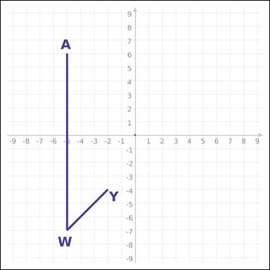 | 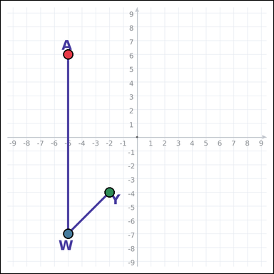 | task_geometry_measurement_value | angle | You are given a graph-paper image showing a labeled angle. What is the measure of angle AWY in degrees? State the angle measure to the nearest integer. Return a valid JSON object with keys "evidence" and "answer" in that order. Evidence: set "evidence" to an array of exactly three graph-paper points for the queried angle: the vertex and the two ray endpoints. Answer: set "answer" to the angle value rounded to the nearest integer. Example JSON: {"evidence":[[0,2],[0,0],[3,0]],"answer":90} | You are given a graph-paper image showing a labeled angle. What is the measure of angle AWY in degrees? State the angle measure to the nearest integer. Return a valid JSON object with key "answer". Answer requirement: set "answer" to the angle value rounded to the nearest integer. Example JSON: {"answer":45} | {"evidence": [[-5, 6], [-5, -7], [-2, -4]], "answer": 45} | [[-5, 6], [-5, -7], [-2, -4]] | integer | graph_point_set | 281292337961434 | geometry/task_geometry_measurement_value/images/angle/0019.png | geometry/task_geometry_measurement_value/data/angle/0019.json
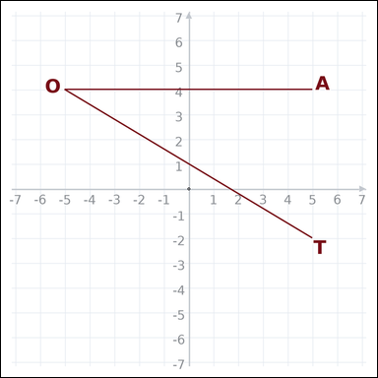 | 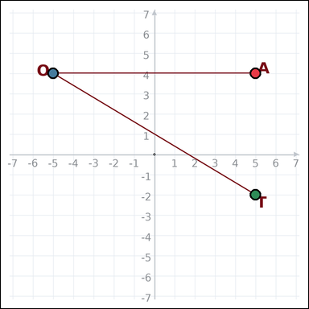 | task_geometry_measurement_value | angle | Look at the graph-paper image showing a labeled angle. What is the measure of angle AOT in degrees? Write the angle measure rounded to the nearest integer. Return a valid JSON object with keys "evidence" and "answer" in that order. Evidence rule: set "evidence" to an array of exactly three graph-paper points for the queried angle: the vertex and the two ray endpoints. Answer rule: set "answer" to the angle value rounded to the nearest integer. Example JSON: {"evidence":[[0,2],[0,0],[3,0]],"answer":90} | Look at the graph-paper image showing a labeled angle. What is the measure of angle AOT in degrees? Write the angle measure rounded to the nearest integer. Return a valid JSON object with key "answer". Answer: set "answer" to the angle value rounded to the nearest integer. Example JSON: {"answer":45} | {"evidence": [[5, 4], [-5, 4], [5, -2]], "answer": 31} | [[5, 4], [-5, 4], [5, -2]] | integer | graph_point_set | 293395504045950 | geometry/task_geometry_measurement_value/images/angle/0015.png | geometry/task_geometry_measurement_value/data/angle/0015.json
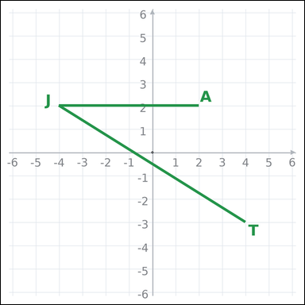 | 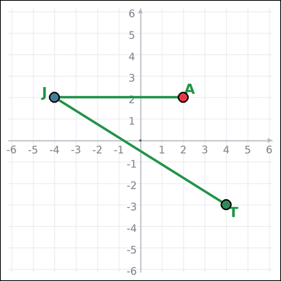 | task_geometry_measurement_value | angle | Look at the graph-paper image showing a labeled angle. What is the measure of angle AJT in degrees? Provide the angle measure to the nearest integer. Return a valid JSON object with keys "evidence" and "answer" in that order. Evidence: set "evidence" to an array of exactly three graph-paper points for the queried angle: the vertex and the two ray endpoints. Answer: set "answer" to the angle value rounded to the nearest integer. Example JSON: {"evidence":[[0,2],[0,0],[3,0]],"answer":90} | Look at the graph-paper image showing a labeled angle. What is the measure of angle AJT in degrees? Provide the angle measure to the nearest integer. Return a valid JSON object with key "answer". Answer field: set "answer" to the angle value rounded to the nearest integer. Example JSON: {"answer":45} | {"evidence": [[2, 2], [-4, 2], [4, -3]], "answer": 32} | [[2, 2], [-4, 2], [4, -3]] | integer | graph_point_set | 339786741526952 | geometry/task_geometry_measurement_value/images/angle/0000.png | geometry/task_geometry_measurement_value/data/angle/0000.json
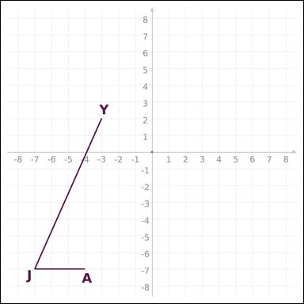 | 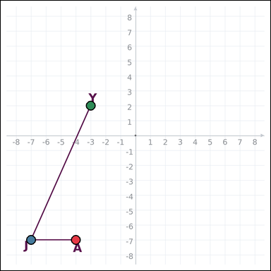 | task_geometry_measurement_value | angle | Use the graph-paper diagram showing a labeled angle. What is the measure of angle AJY in degrees? Provide the angle measure to the nearest integer. Return a valid JSON object with keys "evidence" and "answer" in that order. Evidence: set "evidence" to an array of exactly three graph-paper points for the queried angle: the vertex and the two ray endpoints. Answer: set "answer" to the angle value rounded to the nearest integer. Example JSON: {"evidence":[[0,2],[0,0],[3,0]],"answer":90} | Use the graph-paper diagram showing a labeled angle. What is the measure of angle AJY in degrees? Provide the angle measure to the nearest integer. Return a valid JSON object with key "answer". Answer: set "answer" to the angle value rounded to the nearest integer. Example JSON: {"answer":45} | {"evidence": [[-4, -7], [-7, -7], [-3, 2]], "answer": 66} | [[-4, -7], [-7, -7], [-3, 2]] | integer | graph_point_set | 826230918893620 | geometry/task_geometry_measurement_value/images/angle/0007.png | geometry/task_geometry_measurement_value/data/angle/0007.json
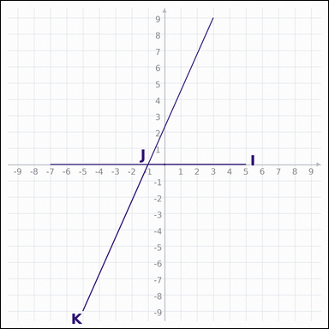 | 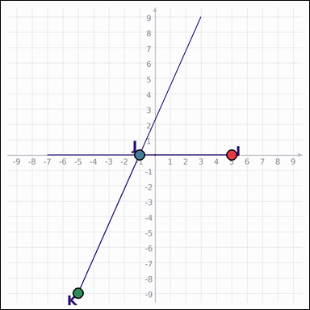 | task_geometry_measurement_value | angle | The graph-paper image shows two intersecting line segments. What is the measure of angle IJK in degrees? Give the angle measure to the nearest integer. Return a valid JSON object with keys "evidence" and "answer" in that order. Evidence field: set "evidence" to an array of exactly three graph-paper points for the queried angle: the vertex and the two ray endpoints. Answer field: set "answer" to the angle value rounded to the nearest integer. Example JSON: {"evidence":[[0,2],[0,0],[3,0]],"answer":90} | The graph-paper image shows two intersecting line segments. What is the measure of angle IJK in degrees? Give the angle measure to the nearest integer. Return a valid JSON object with key "answer". Answer format: set "answer" to the angle value rounded to the nearest integer. Example JSON: {"answer":45} | {"evidence": [[5, 0], [-1, 0], [-5, -9]], "answer": 114} | [[5, 0], [-1, 0], [-5, -9]] | integer | graph_point_set | 890233231167229 | geometry/task_geometry_measurement_value/images/angle/0002.png | geometry/task_geometry_measurement_value/data/angle/0002.json
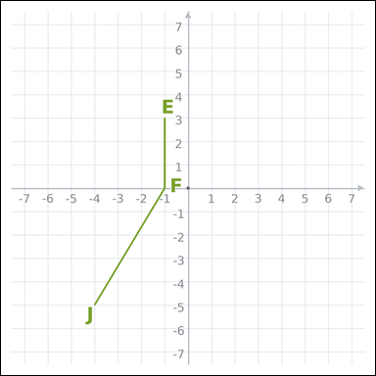 | 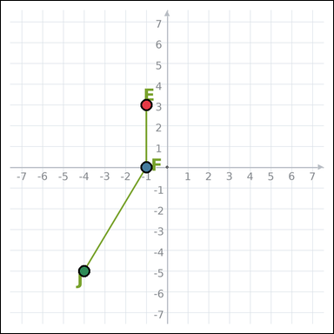 | task_geometry_measurement_value | angle | Use the graph-paper diagram showing a labeled angle. What is the measure of angle EFJ in degrees? Give the angle measure to the nearest integer. Return a valid JSON object with keys "evidence" and "answer" in that order. Evidence field: set "evidence" to an array of exactly three graph-paper points for the queried angle: the vertex and the two ray endpoints. Answer field: set "answer" to the angle value rounded to the nearest integer. Example JSON: {"evidence":[[0,2],[0,0],[3,0]],"answer":90} | Use the graph-paper diagram showing a labeled angle. What is the measure of angle EFJ in degrees? Give the angle measure to the nearest integer. Return a valid JSON object with key "answer". Answer format: set "answer" to the angle value rounded to the nearest integer. Example JSON: {"answer":45} | {"evidence": [[-1, 3], [-1, 0], [-4, -5]], "answer": 149} | [[-1, 3], [-1, 0], [-4, -5]] | integer | graph_point_set | 1.3579874991E+15 | geometry/task_geometry_measurement_value/images/angle/0010.png | geometry/task_geometry_measurement_value/data/angle/0010.json
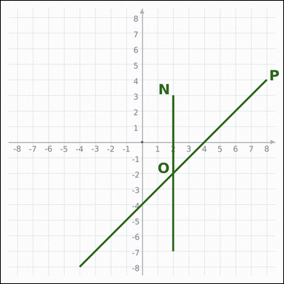 | 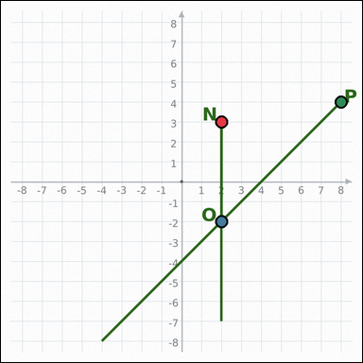 | task_geometry_measurement_value | angle | Work from the graph-paper image showing two intersecting line segments. What is the measure of angle NOP in degrees? Write the angle measure rounded to the nearest integer. Return a valid JSON object with keys "evidence" and "answer" in that order. Evidence: set "evidence" to an array of exactly three graph-paper points for the queried angle: the vertex and the two ray endpoints. Answer: set "answer" to the angle value rounded to the nearest integer. Example JSON: {"evidence":[[0,2],[0,0],[3,0]],"answer":90} | Work from the graph-paper image showing two intersecting line segments. What is the measure of angle NOP in degrees? Write the angle measure rounded to the nearest integer. Return a valid JSON object with key "answer". Answer: set "answer" to the angle value rounded to the nearest integer. Example JSON: {"answer":45} | {"evidence": [[2, 3], [2, -2], [8, 4]], "answer": 45} | [[2, 3], [2, -2], [8, 4]] | integer | graph_point_set | 1.570733666E+15 | geometry/task_geometry_measurement_value/images/angle/0017.png | geometry/task_geometry_measurement_value/data/angle/0017.json
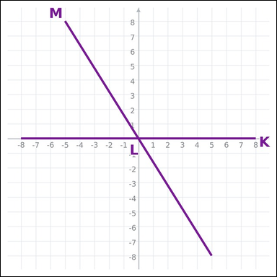 | 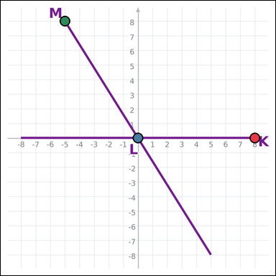 | task_geometry_measurement_value | angle | You are given a graph-paper image showing two intersecting line segments. What is the measure of angle KLM in degrees? Give the angle measure to the nearest integer. Return a valid JSON object with keys "evidence" and "answer" in that order. Evidence rule: set "evidence" to an array of exactly three graph-paper points for the queried angle: the vertex and the two ray endpoints. Answer rule: set "answer" to the angle value rounded to the nearest integer. Example JSON: {"evidence":[[0,2],[0,0],[3,0]],"answer":90} | You are given a graph-paper image showing two intersecting line segments. What is the measure of angle KLM in degrees? Give the angle measure to the nearest integer. Return a valid JSON object with key "answer". Answer field: set "answer" to the angle value rounded to the nearest integer. Example JSON: {"answer":45} | {"evidence": [[8, 0], [0, 0], [-5, 8]], "answer": 122} | [[8, 0], [0, 0], [-5, 8]] | integer | graph_point_set | 1.6310619901E+15 | geometry/task_geometry_measurement_value/images/angle/0014.png | geometry/task_geometry_measurement_value/data/angle/0014.json
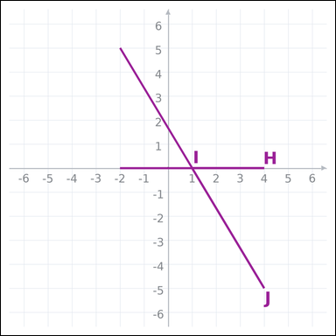 | 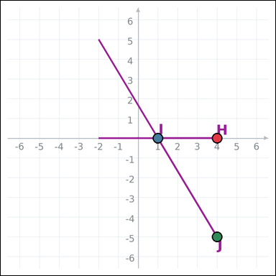 | task_geometry_measurement_value | angle | The graph-paper image shows two intersecting line segments. What is the measure of angle HIJ in degrees? Provide the angle measure to the nearest integer. Return a valid JSON object with keys "evidence" and "answer" in that order. Evidence format: set "evidence" to an array of exactly three graph-paper points for the queried angle: the vertex and the two ray endpoints. Answer requirement: set "answer" to the angle value rounded to the nearest integer. Example JSON: {"evidence":[[0,2],[0,0],[3,0]],"answer":90} | The graph-paper image shows two intersecting line segments. What is the measure of angle HIJ in degrees? Provide the angle measure to the nearest integer. Return a valid JSON object with key "answer". Answer: set "answer" to the angle value rounded to the nearest integer. Example JSON: {"answer":45} | {"evidence": [[4, 0], [1, 0], [4, -5]], "answer": 59} | [[4, 0], [1, 0], [4, -5]] | integer | graph_point_set | 1.6886236956E+15 | geometry/task_geometry_measurement_value/images/angle/0003.png | geometry/task_geometry_measurement_value/data/angle/0003.json
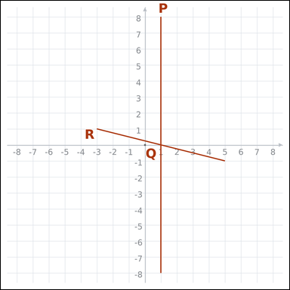 | 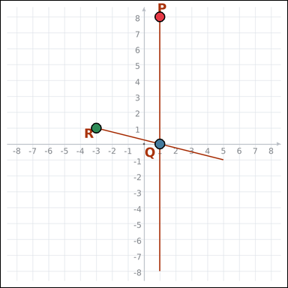 | task_geometry_measurement_value | angle | Look at the graph-paper image showing two intersecting line segments. What is the measure of angle PQR in degrees? State the angle measure to the nearest integer. Return a valid JSON object with keys "evidence" and "answer" in that order. Evidence field: set "evidence" to an array of exactly three graph-paper points for the queried angle: the vertex and the two ray endpoints. Answer field: set "answer" to the angle value rounded to the nearest integer. Example JSON: {"evidence":[[0,2],[0,0],[3,0]],"answer":90} | Look at the graph-paper image showing two intersecting line segments. What is the measure of angle PQR in degrees? State the angle measure to the nearest integer. Return a valid JSON object with key "answer". Answer field: set "answer" to the angle value rounded to the nearest integer. Example JSON: {"answer":45} | {"evidence": [[1, 8], [1, 0], [-3, 1]], "answer": 76} | [[1, 8], [1, 0], [-3, 1]] | integer | graph_point_set | 1.818171187E+15 | geometry/task_geometry_measurement_value/images/angle/0012.png | geometry/task_geometry_measurement_value/data/angle/0012.json
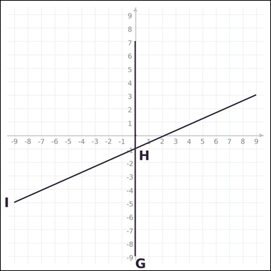 | 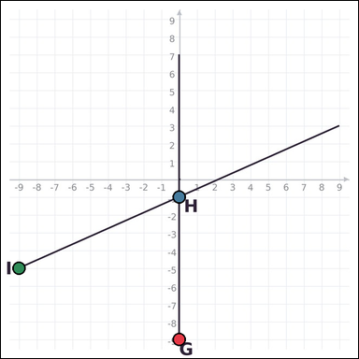 | task_geometry_measurement_value | angle | Look at the graph-paper image showing two intersecting line segments. What is the measure of angle GHI in degrees? Round the angle measure to the nearest integer. Return a valid JSON object with keys "evidence" and "answer" in that order. Evidence field: set "evidence" to an array of exactly three graph-paper points for the queried angle: the vertex and the two ray endpoints. Answer field: set "answer" to the angle value rounded to the nearest integer. Example JSON: {"evidence":[[0,2],[0,0],[3,0]],"answer":90} | Look at the graph-paper image showing two intersecting line segments. What is the measure of angle GHI in degrees? Round the angle measure to the nearest integer. Return a valid JSON object with key "answer". Answer format: set "answer" to the angle value rounded to the nearest integer. Example JSON: {"answer":45} | {"evidence": [[0, -9], [0, -1], [-9, -5]], "answer": 66} | [[0, -9], [0, -1], [-9, -5]] | integer | graph_point_set | 2.0505711375E+15 | geometry/task_geometry_measurement_value/images/angle/0006.png | geometry/task_geometry_measurement_value/data/angle/0006.json
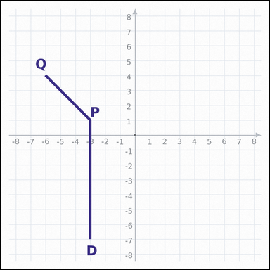 | 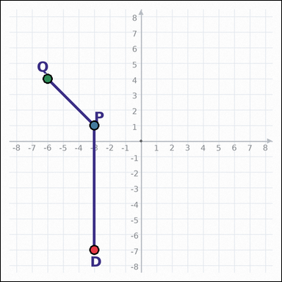 | task_geometry_measurement_value | angle | Work from the graph-paper image showing a labeled angle. What is the measure of angle DPQ in degrees? Write the angle measure rounded to the nearest integer. Return a valid JSON object with keys "evidence" and "answer" in that order. Evidence requirement: set "evidence" to an array of exactly three graph-paper points for the queried angle: the vertex and the two ray endpoints. Answer format: set "answer" to the angle value rounded to the nearest integer. Example JSON: {"evidence":[[0,2],[0,0],[3,0]],"answer":90} | Work from the graph-paper image showing a labeled angle. What is the measure of angle DPQ in degrees? Write the angle measure rounded to the nearest integer. Return a valid JSON object with key "answer". Answer rule: set "answer" to the angle value rounded to the nearest integer. Example JSON: {"answer":45} | {"evidence": [[-3, -7], [-3, 1], [-6, 4]], "answer": 135} | [[-3, -7], [-3, 1], [-6, 4]] | integer | graph_point_set | 2.1515352532E+15 | geometry/task_geometry_measurement_value/images/angle/0024.png | geometry/task_geometry_measurement_value/data/angle/0024.json
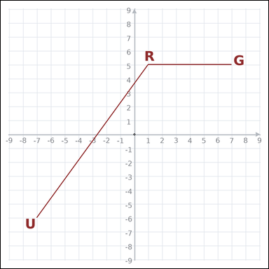 | 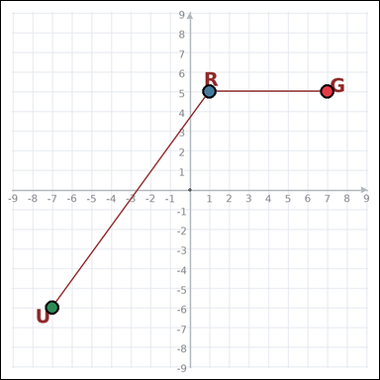 | task_geometry_measurement_value | angle | The graph-paper image shows a labeled angle. What is the measure of angle GRU in degrees? State the angle measure to the nearest integer. Return a valid JSON object with keys "evidence" and "answer" in that order. Evidence: set "evidence" to an array of exactly three graph-paper points for the queried angle: the vertex and the two ray endpoints. Answer: set "answer" to the angle value rounded to the nearest integer. Example JSON: {"evidence":[[0,2],[0,0],[3,0]],"answer":90} | The graph-paper image shows a labeled angle. What is the measure of angle GRU in degrees? State the angle measure to the nearest integer. Return a valid JSON object with key "answer". Answer rule: set "answer" to the angle value rounded to the nearest integer. Example JSON: {"answer":45} | {"evidence": [[7, 5], [1, 5], [-7, -6]], "answer": 126} | [[7, 5], [1, 5], [-7, -6]] | integer | graph_point_set | 2.5385637286E+15 | geometry/task_geometry_measurement_value/images/angle/0008.png | geometry/task_geometry_measurement_value/data/angle/0008.json
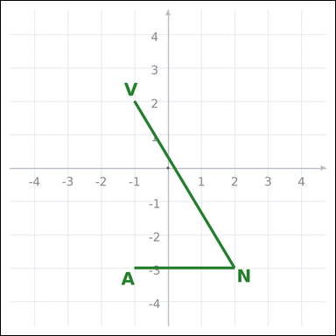 | 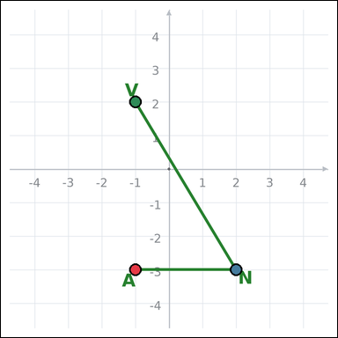 | task_geometry_measurement_value | angle | Work from the graph-paper image showing a labeled angle. What is the measure of angle ANV in degrees? Provide the angle measure to the nearest integer. Return a valid JSON object with keys "evidence" and "answer" in that order. Evidence format: set "evidence" to an array of exactly three graph-paper points for the queried angle: the vertex and the two ray endpoints. Answer requirement: set "answer" to the angle value rounded to the nearest integer. Example JSON: {"evidence":[[0,2],[0,0],[3,0]],"answer":90} | Work from the graph-paper image showing a labeled angle. What is the measure of angle ANV in degrees? Provide the angle measure to the nearest integer. Return a valid JSON object with key "answer". Answer: set "answer" to the angle value rounded to the nearest integer. Example JSON: {"answer":45} | {"evidence": [[-1, -3], [2, -3], [-1, 2]], "answer": 59} | [[-1, -3], [2, -3], [-1, 2]] | integer | graph_point_set | 2.8916555165E+15 | geometry/task_geometry_measurement_value/images/angle/0020.png | geometry/task_geometry_measurement_value/data/angle/0020.json
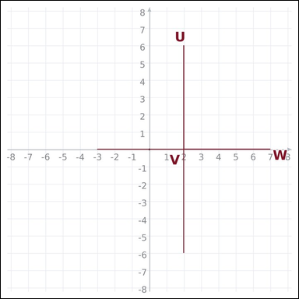 | 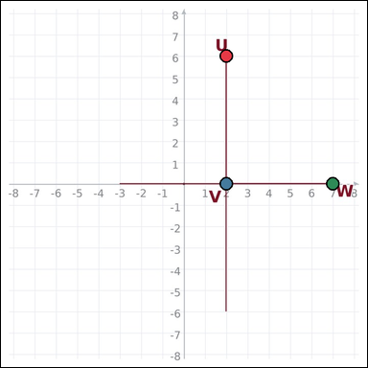 | task_geometry_measurement_value | angle | The graph-paper image shows two intersecting line segments. What is the measure of angle UVW in degrees? Provide the angle measure to the nearest integer. Return a valid JSON object with keys "evidence" and "answer" in that order. Evidence rule: set "evidence" to an array of exactly three graph-paper points for the queried angle: the vertex and the two ray endpoints. Answer rule: set "answer" to the angle value rounded to the nearest integer. Example JSON: {"evidence":[[0,2],[0,0],[3,0]],"answer":90} | The graph-paper image shows two intersecting line segments. What is the measure of angle UVW in degrees? Provide the angle measure to the nearest integer. Return a valid JSON object with key "answer". Answer: set "answer" to the angle value rounded to the nearest integer. Example JSON: {"answer":45} | {"evidence": [[2, 6], [2, 0], [7, 0]], "answer": 90} | [[2, 6], [2, 0], [7, 0]] | integer | graph_point_set | 3.0398033268E+15 | geometry/task_geometry_measurement_value/images/angle/0009.png | geometry/task_geometry_measurement_value/data/angle/0009.json
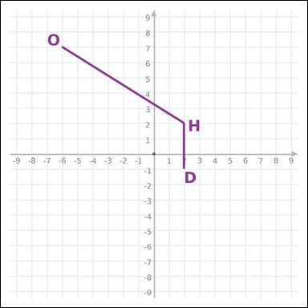 | 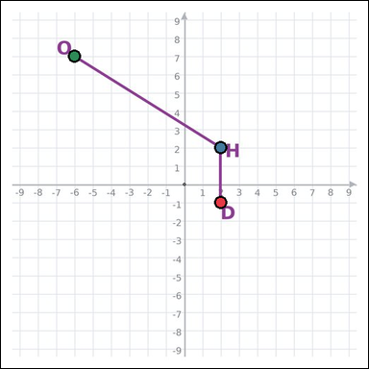 | task_geometry_measurement_value | angle | The graph-paper image shows a labeled angle. What is the measure of angle DHO in degrees? Give the angle measure to the nearest integer. Return a valid JSON object with keys "evidence" and "answer" in that order. Evidence format: set "evidence" to an array of exactly three graph-paper points for the queried angle: the vertex and the two ray endpoints. Answer requirement: set "answer" to the angle value rounded to the nearest integer. Example JSON: {"evidence":[[0,2],[0,0],[3,0]],"answer":90} | The graph-paper image shows a labeled angle. What is the measure of angle DHO in degrees? Give the angle measure to the nearest integer. Return a valid JSON object with key "answer". Answer rule: set "answer" to the angle value rounded to the nearest integer. Example JSON: {"answer":45} | {"evidence": [[2, -1], [2, 2], [-6, 7]], "answer": 122} | [[2, -1], [2, 2], [-6, 7]] | integer | graph_point_set | 3.0722944788E+15 | geometry/task_geometry_measurement_value/images/angle/0021.png | geometry/task_geometry_measurement_value/data/angle/0021.json
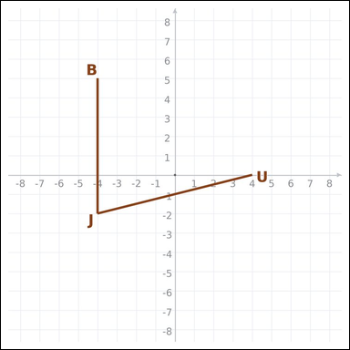 | 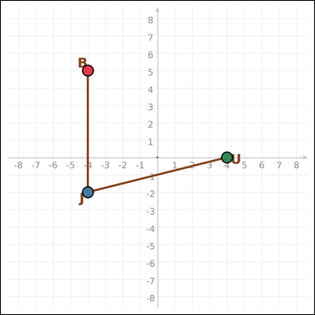 | task_geometry_measurement_value | angle | You are given a graph-paper image showing a labeled angle. What is the measure of angle BJU in degrees? Provide the angle measure to the nearest integer. Return a valid JSON object with keys "evidence" and "answer" in that order. Evidence requirement: set "evidence" to an array of exactly three graph-paper points for the queried angle: the vertex and the two ray endpoints. Answer format: set "answer" to the angle value rounded to the nearest integer. Example JSON: {"evidence":[[0,2],[0,0],[3,0]],"answer":90} | You are given a graph-paper image showing a labeled angle. What is the measure of angle BJU in degrees? Provide the angle measure to the nearest integer. Return a valid JSON object with key "answer". Answer format: set "answer" to the angle value rounded to the nearest integer. Example JSON: {"answer":45} | {"evidence": [[-4, 5], [-4, -2], [4, 0]], "answer": 76} | [[-4, 5], [-4, -2], [4, 0]] | integer | graph_point_set | 3.3790449496E+15 | geometry/task_geometry_measurement_value/images/angle/0005.png | geometry/task_geometry_measurement_value/data/angle/0005.json
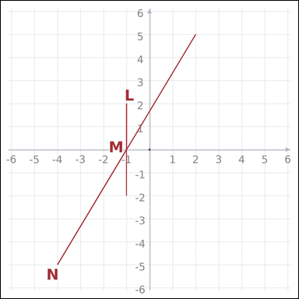 | 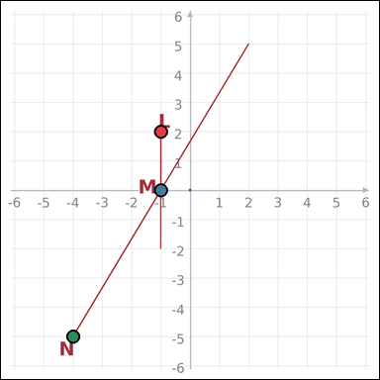 | task_geometry_measurement_value | angle | Work from the graph-paper image showing two intersecting line segments. What is the measure of angle LMN in degrees? State the angle measure to the nearest integer. Return a valid JSON object with keys "evidence" and "answer" in that order. Evidence: set "evidence" to an array of exactly three graph-paper points for the queried angle: the vertex and the two ray endpoints. Answer: set "answer" to the angle value rounded to the nearest integer. Example JSON: {"evidence":[[0,2],[0,0],[3,0]],"answer":90} | Work from the graph-paper image showing two intersecting line segments. What is the measure of angle LMN in degrees? State the angle measure to the nearest integer. Return a valid JSON object with key "answer". Answer rule: set "answer" to the angle value rounded to the nearest integer. Example JSON: {"answer":45} | {"evidence": [[-1, 2], [-1, 0], [-4, -5]], "answer": 149} | [[-1, 2], [-1, 0], [-4, -5]] | integer | graph_point_set | 3.4657350916E+15 | geometry/task_geometry_measurement_value/images/angle/0023.png | geometry/task_geometry_measurement_value/data/angle/0023.json
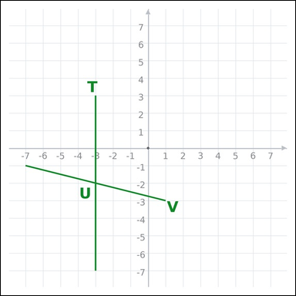 | 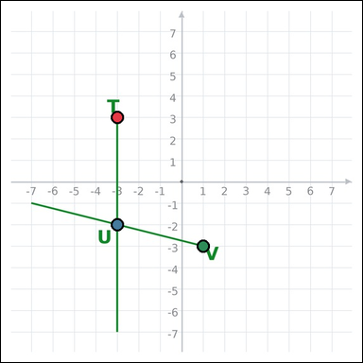 | task_geometry_measurement_value | angle | Work from the graph-paper image showing two intersecting line segments. What is the measure of angle TUV in degrees? Round the angle measure to the nearest integer. Return a valid JSON object with keys "evidence" and "answer" in that order. Evidence requirement: set "evidence" to an array of exactly three graph-paper points for the queried angle: the vertex and the two ray endpoints. Answer format: set "answer" to the angle value rounded to the nearest integer. Example JSON: {"evidence":[[0,2],[0,0],[3,0]],"answer":90} | Work from the graph-paper image showing two intersecting line segments. What is the measure of angle TUV in degrees? Round the angle measure to the nearest integer. Return a valid JSON object with key "answer". Answer: set "answer" to the angle value rounded to the nearest integer. Example JSON: {"answer":45} | {"evidence": [[-3, 3], [-3, -2], [1, -3]], "answer": 104} | [[-3, 3], [-3, -2], [1, -3]] | integer | graph_point_set | 3.6983092322E+15 | geometry/task_geometry_measurement_value/images/angle/0013.png | geometry/task_geometry_measurement_value/data/angle/0013.json
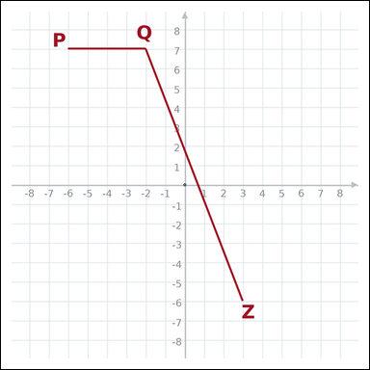 | 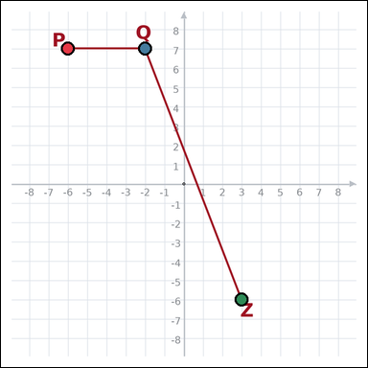 | task_geometry_measurement_value | angle | Look at the graph-paper image showing a labeled angle. What is the measure of angle PQZ in degrees? Write the angle measure rounded to the nearest integer. Return a valid JSON object with keys "evidence" and "answer" in that order. Evidence format: set "evidence" to an array of exactly three graph-paper points for the queried angle: the vertex and the two ray endpoints. Answer requirement: set "answer" to the angle value rounded to the nearest integer. Example JSON: {"evidence":[[0,2],[0,0],[3,0]],"answer":90} | Look at the graph-paper image showing a labeled angle. What is the measure of angle PQZ in degrees? Write the angle measure rounded to the nearest integer. Return a valid JSON object with key "answer". Answer requirement: set "answer" to the angle value rounded to the nearest integer. Example JSON: {"answer":45} | {"evidence": [[-6, 7], [-2, 7], [3, -6]], "answer": 111} | [[-6, 7], [-2, 7], [3, -6]] | integer | graph_point_set | 4.4586899116E+15 | geometry/task_geometry_measurement_value/images/angle/0016.png | geometry/task_geometry_measurement_value/data/angle/0016.json
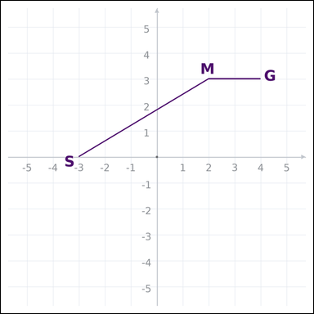 | 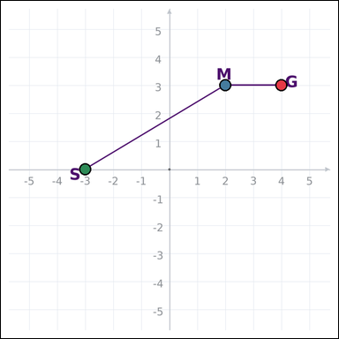 | task_geometry_measurement_value | angle | Use the graph-paper diagram showing a labeled angle. What is the measure of angle GMS in degrees? Give the angle measure to the nearest integer. Return a valid JSON object with keys "evidence" and "answer" in that order. Evidence format: set "evidence" to an array of exactly three graph-paper points for the queried angle: the vertex and the two ray endpoints. Answer requirement: set "answer" to the angle value rounded to the nearest integer. Example JSON: {"evidence":[[0,2],[0,0],[3,0]],"answer":90} | Use the graph-paper diagram showing a labeled angle. What is the measure of angle GMS in degrees? Give the angle measure to the nearest integer. Return a valid JSON object with key "answer". Answer rule: set "answer" to the angle value rounded to the nearest integer. Example JSON: {"answer":45} | {"evidence": [[4, 3], [2, 3], [-3, 0]], "answer": 149} | [[4, 3], [2, 3], [-3, 0]] | integer | graph_point_set | 5.62569923E+15 | geometry/task_geometry_measurement_value/images/angle/0011.png | geometry/task_geometry_measurement_value/data/angle/0011.json
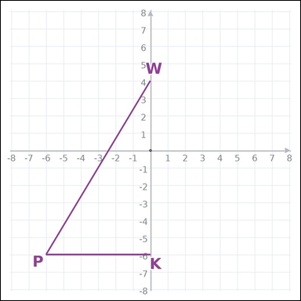 | 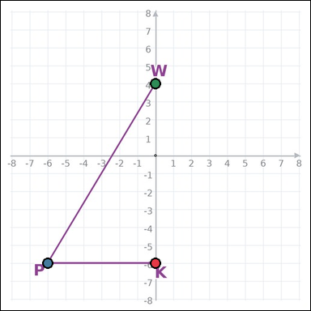 | task_geometry_measurement_value | angle | You are given a graph-paper image showing a labeled angle. What is the measure of angle KPW in degrees? State the angle measure to the nearest integer. Return a valid JSON object with keys "evidence" and "answer" in that order. Evidence field: set "evidence" to an array of exactly three graph-paper points for the queried angle: the vertex and the two ray endpoints. Answer field: set "answer" to the angle value rounded to the nearest integer. Example JSON: {"evidence":[[0,2],[0,0],[3,0]],"answer":90} | You are given a graph-paper image showing a labeled angle. What is the measure of angle KPW in degrees? State the angle measure to the nearest integer. Return a valid JSON object with key "answer". Answer rule: set "answer" to the angle value rounded to the nearest integer. Example JSON: {"answer":45} | {"evidence": [[0, -6], [-6, -6], [0, 4]], "answer": 59} | [[0, -6], [-6, -6], [0, 4]] | integer | graph_point_set | 6.1258002604E+15 | geometry/task_geometry_measurement_value/images/angle/0018.png | geometry/task_geometry_measurement_value/data/angle/0018.json
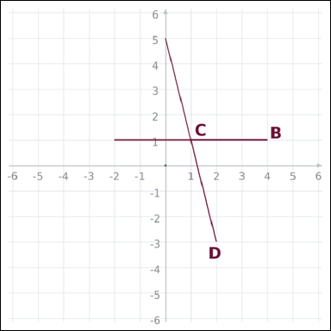 | 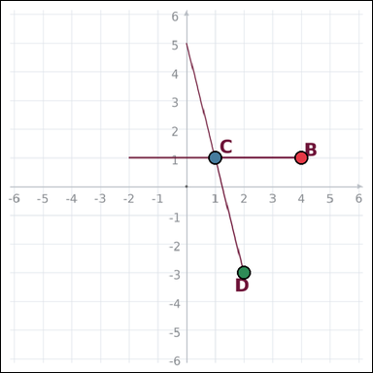 | task_geometry_measurement_value | angle | The graph-paper image shows two intersecting line segments. What is the measure of angle BCD in degrees? Round the angle measure to the nearest integer. Return a valid JSON object with keys "evidence" and "answer" in that order. Evidence: set "evidence" to an array of exactly three graph-paper points for the queried angle: the vertex and the two ray endpoints. Answer: set "answer" to the angle value rounded to the nearest integer. Example JSON: {"evidence":[[0,2],[0,0],[3,0]],"answer":90} | The graph-paper image shows two intersecting line segments. What is the measure of angle BCD in degrees? Round the angle measure to the nearest integer. Return a valid JSON object with key "answer". Answer requirement: set "answer" to the angle value rounded to the nearest integer. Example JSON: {"answer":45} | {"evidence": [[4, 1], [1, 1], [2, -3]], "answer": 76} | [[4, 1], [1, 1], [2, -3]] | integer | graph_point_set | 6.6736715375E+15 | geometry/task_geometry_measurement_value/images/angle/0001.png | geometry/task_geometry_measurement_value/data/angle/0001.json
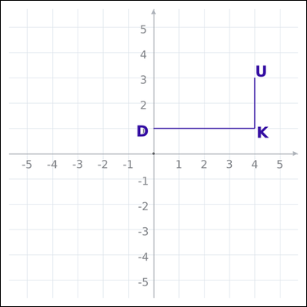 | 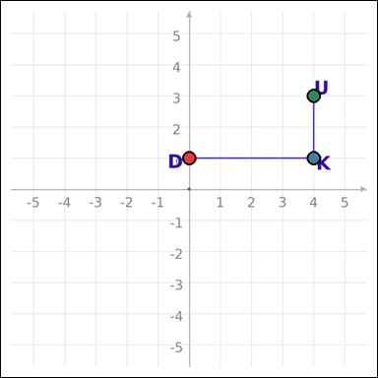 | task_geometry_measurement_value | angle | Look at the graph-paper image showing a labeled angle. What is the measure of angle DKU in degrees? Provide the angle measure to the nearest integer. Return a valid JSON object with keys "evidence" and "answer" in that order. Evidence requirement: set "evidence" to an array of exactly three graph-paper points for the queried angle: the vertex and the two ray endpoints. Answer format: set "answer" to the angle value rounded to the nearest integer. Example JSON: {"evidence":[[0,2],[0,0],[3,0]],"answer":90} | Look at the graph-paper image showing a labeled angle. What is the measure of angle DKU in degrees? Provide the angle measure to the nearest integer. Return a valid JSON object with key "answer". Answer: set "answer" to the angle value rounded to the nearest integer. Example JSON: {"answer":45} | {"evidence": [[0, 1], [4, 1], [4, 3]], "answer": 90} | [[0, 1], [4, 1], [4, 3]] | integer | graph_point_set | 6.8153032726E+15 | geometry/task_geometry_measurement_value/images/angle/0022.png | geometry/task_geometry_measurement_value/data/angle/0022.json
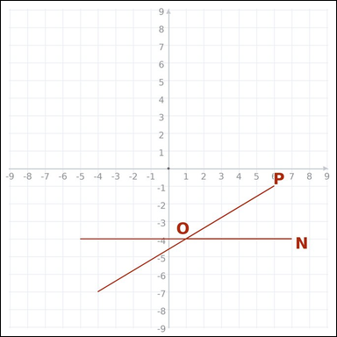 | 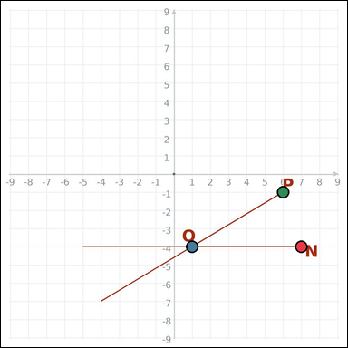 | task_geometry_measurement_value | angle | Look at the graph-paper image showing two intersecting line segments. What is the measure of angle NOP in degrees? Write the angle measure rounded to the nearest integer. Return a valid JSON object with keys "evidence" and "answer" in that order. Evidence field: set "evidence" to an array of exactly three graph-paper points for the queried angle: the vertex and the two ray endpoints. Answer field: set "answer" to the angle value rounded to the nearest integer. Example JSON: {"evidence":[[0,2],[0,0],[3,0]],"answer":90} | Look at the graph-paper image showing two intersecting line segments. What is the measure of angle NOP in degrees? Write the angle measure rounded to the nearest integer. Return a valid JSON object with key "answer". Answer rule: set "answer" to the angle value rounded to the nearest integer. Example JSON: {"answer":45} | {"evidence": [[7, -4], [1, -4], [6, -1]], "answer": 31} | [[7, -4], [1, -4], [6, -1]] | integer | graph_point_set | 7.0080201802E+15 | geometry/task_geometry_measurement_value/images/angle/0004.png | geometry/task_geometry_measurement_value/data/angle/0004.json

area
image | evidence_image | task | task_variant | prompt | prompt_answer_only | answer | answer_evidence | answer_type | evidence_type | instance_seed | image_path | data_path
 |  | task_geometry_measurement_value | area | Work from the graph-paper image showing an ellipse. Answer this question: What is the area of the ellipse in square units? Express the answer in the form kπ. Return a valid JSON object with keys "evidence" and "answer" in that order. Evidence requirement: set "evidence" to one graph-paper point [x, y] for the ellipse center. Answer format: set "answer" to the measurement value in the form kπ (for example 12π). Example JSON: {"evidence":[[0,0]],"answer":"6π"} | Work from the graph-paper image showing an ellipse. Answer this question: What is the area of the ellipse in square units? Express the answer in the form kπ. Return a valid JSON object with key "answer". Answer format: set "answer" to the measurement value in the form kπ (for example 12π). Example JSON: {"answer":"12π"} | {"evidence": [3, -4], "answer": "20π"} | [3, -4] | pi_expression | graph_point | 757127509745367 | geometry/task_geometry_measurement_value/images/area/0008.png | geometry/task_geometry_measurement_value/data/area/0008.json
 |  | task_geometry_measurement_value | area | Look at the graph-paper image showing an ellipse. Question: What is the area of the ellipse in square units? Express the answer in the form kπ. Return a valid JSON object with keys "evidence" and "answer" in that order. Evidence field: set "evidence" to one graph-paper point [x, y] for the ellipse center. Answer field: set "answer" to the measurement value in the form kπ (for example 12π). Example JSON: {"evidence":[[0,0]],"answer":"6π"} | Look at the graph-paper image showing an ellipse. Question: What is the area of the ellipse in square units? Express the answer in the form kπ. Return a valid JSON object with key "answer". Answer field: set "answer" to the measurement value in the form kπ (for example 12π). Example JSON: {"answer":"12π"} | {"evidence": [1, 0], "answer": "30π"} | [1, 0] | pi_expression | graph_point | 1.6321174185E+15 | geometry/task_geometry_measurement_value/images/area/0014.png | geometry/task_geometry_measurement_value/data/area/0014.json
 |  | task_geometry_measurement_value | area | Use the graph-paper diagram showing an ellipse. What is the area of the ellipse in square units? Express the answer in the form kπ. Return a valid JSON object with keys "evidence" and "answer" in that order. Evidence field: set "evidence" to one graph-paper point [x, y] for the ellipse center. Answer field: set "answer" to the measurement value in the form kπ (for example 12π). Example JSON: {"evidence":[[0,0]],"answer":"6π"} | Use the graph-paper diagram showing an ellipse. What is the area of the ellipse in square units? Express the answer in the form kπ. Return a valid JSON object with key "answer". Answer format: set "answer" to the measurement value in the form kπ (for example 12π). Example JSON: {"answer":"12π"} | {"evidence": [1, 0], "answer": "42π"} | [1, 0] | pi_expression | graph_point | 2.6429032774E+15 | geometry/task_geometry_measurement_value/images/area/0024.png | geometry/task_geometry_measurement_value/data/area/0024.json
 |  | task_geometry_measurement_value | area | Use the graph-paper diagram showing a polygon. What is the area of the polygon in square units? Return a valid JSON object with keys "evidence" and "answer" in that order. Evidence rule: set "evidence" to an array of graph-paper points for all polygon vertices. Answer rule: set "answer" to the measurement value as an integer. Example JSON: {"evidence":[[0,0],[4,0],[0,3]],"answer":6} | Use the graph-paper diagram showing a polygon. What is the area of the polygon in square units? Return a valid JSON object with key "answer". Answer requirement: set "answer" to the measurement value as an integer. Example JSON: {"answer":8} | {"evidence": [[-5, 5], [7, 5], [7, 0]], "answer": 30} | [[-5, 5], [7, 5], [7, 0]] | integer | graph_point_set | 2.9572551066E+15 | geometry/task_geometry_measurement_value/images/area/0020.png | geometry/task_geometry_measurement_value/data/area/0020.json
 |  | task_geometry_measurement_value | area | The graph-paper image shows a polygon. Answer this question: What is the area of the polygon in square units? Return a valid JSON object with keys "evidence" and "answer" in that order. Evidence format: set "evidence" to an array of graph-paper points for all polygon vertices. Answer requirement: set "answer" to the measurement value as an integer. Example JSON: {"evidence":[[0,0],[4,0],[4,2],[0,2]],"answer":8} | The graph-paper image shows a polygon. Answer this question: What is the area of the polygon in square units? Return a valid JSON object with key "answer". Answer field: set "answer" to the measurement value as an integer. Example JSON: {"answer":8} | {"evidence": [[-5, -4], [-5, 7], [0, 7], [0, -4]], "answer": 55} | [[-5, -4], [-5, 7], [0, 7], [0, -4]] | integer | graph_point_set | 3.0416316756E+15 | geometry/task_geometry_measurement_value/images/area/0005.png | geometry/task_geometry_measurement_value/data/area/0005.json
 |  | task_geometry_measurement_value | area | Work from the graph-paper image showing an ellipse. What is the area of the ellipse in square units? Express the answer in the form kπ. Return a valid JSON object with keys "evidence" and "answer" in that order. Evidence requirement: set "evidence" to one graph-paper point [x, y] for the ellipse center. Answer format: set "answer" to the measurement value in the form kπ (for example 12π). Example JSON: {"evidence":[[0,0]],"answer":"6π"} | Work from the graph-paper image showing an ellipse. What is the area of the ellipse in square units? Express the answer in the form kπ. Return a valid JSON object with key "answer". Answer requirement: set "answer" to the measurement value in the form kπ (for example 12π). Example JSON: {"answer":"12π"} | {"evidence": [0, 1], "answer": "20π"} | [0, 1] | pi_expression | graph_point | 3.0431171085E+15 | geometry/task_geometry_measurement_value/images/area/0001.png | geometry/task_geometry_measurement_value/data/area/0001.json
 |  | task_geometry_measurement_value | area | Use the graph-paper diagram showing a polygon. What is the area of the polygon in square units? Return a valid JSON object with keys "evidence" and "answer" in that order. Evidence format: set "evidence" to an array of graph-paper points for all polygon vertices. Answer requirement: set "answer" to the measurement value as an integer. Example JSON: {"evidence":[[0,0],[4,0],[0,3]],"answer":6} | Use the graph-paper diagram showing a polygon. What is the area of the polygon in square units? Return a valid JSON object with key "answer". Answer: set "answer" to the measurement value as an integer. Example JSON: {"answer":8} | {"evidence": [[7, -7], [7, 5], [-1, -1]], "answer": 48} | [[7, -7], [7, 5], [-1, -1]] | integer | graph_point_set | 3.7491379674E+15 | geometry/task_geometry_measurement_value/images/area/0004.png | geometry/task_geometry_measurement_value/data/area/0004.json
 |  | task_geometry_measurement_value | area | Use the graph-paper diagram showing a polygon. Answer this question: What is the area of the polygon in square units? Return a valid JSON object with keys "evidence" and "answer" in that order. Evidence requirement: set "evidence" to an array of graph-paper points for all polygon vertices. Answer format: set "answer" to the measurement value as an integer. Example JSON: {"evidence":[[0,0],[4,0],[0,3]],"answer":6} | Use the graph-paper diagram showing a polygon. Answer this question: What is the area of the polygon in square units? Return a valid JSON object with key "answer". Answer rule: set "answer" to the measurement value as an integer. Example JSON: {"answer":8} | {"evidence": [[-2, -8], [-2, 1], [6, 7]], "answer": 36} | [[-2, -8], [-2, 1], [6, 7]] | integer | graph_point_set | 3.8032450834E+15 | geometry/task_geometry_measurement_value/images/area/0021.png | geometry/task_geometry_measurement_value/data/area/0021.json
 |  | task_geometry_measurement_value | area | Look at the graph-paper image showing an ellipse. Task: What is the area of the ellipse in square units? Express the answer in the form kπ. Return a valid JSON object with keys "evidence" and "answer" in that order. Evidence: set "evidence" to one graph-paper point [x, y] for the ellipse center. Answer: set "answer" to the measurement value in the form kπ (for example 12π). Example JSON: {"evidence":[[0,0]],"answer":"6π"} | Look at the graph-paper image showing an ellipse. Task: What is the area of the ellipse in square units? Express the answer in the form kπ. Return a valid JSON object with key "answer". Answer format: set "answer" to the measurement value in the form kπ (for example 12π). Example JSON: {"answer":"12π"} | {"evidence": [-1, 0], "answer": "72π"} | [-1, 0] | pi_expression | graph_point | 3.8336498586E+15 | geometry/task_geometry_measurement_value/images/area/0002.png | geometry/task_geometry_measurement_value/data/area/0002.json
 |  | task_geometry_measurement_value | area | The graph-paper image shows an ellipse. Question: What is the area of the ellipse in square units? Express the answer in the form kπ. Return a valid JSON object with keys "evidence" and "answer" in that order. Evidence: set "evidence" to one graph-paper point [x, y] for the ellipse center. Answer: set "answer" to the measurement value in the form kπ (for example 12π). Example JSON: {"evidence":[[0,0]],"answer":"6π"} | The graph-paper image shows an ellipse. Question: What is the area of the ellipse in square units? Express the answer in the form kπ. Return a valid JSON object with key "answer". Answer: set "answer" to the measurement value in the form kπ (for example 12π). Example JSON: {"answer":"12π"} | {"evidence": [-1, 0], "answer": "30π"} | [-1, 0] | pi_expression | graph_point | 4.0175152471E+15 | geometry/task_geometry_measurement_value/images/area/0006.png | geometry/task_geometry_measurement_value/data/area/0006.json
 |  | task_geometry_measurement_value | area | Work from the graph-paper image showing a polygon. Question: What is the area of the polygon in square units? Return a valid JSON object with keys "evidence" and "answer" in that order. Evidence field: set "evidence" to an array of graph-paper points for all polygon vertices. Answer field: set "answer" to the measurement value as an integer. Example JSON: {"evidence":[[0,0],[4,0],[0,3]],"answer":6} | Work from the graph-paper image showing a polygon. Question: What is the area of the polygon in square units? Return a valid JSON object with key "answer". Answer format: set "answer" to the measurement value as an integer. Example JSON: {"answer":8} | {"evidence": [[8, 8], [-8, 8], [-8, -4]], "answer": 96} | [[8, 8], [-8, 8], [-8, -4]] | integer | graph_point_set | 4.2449799076E+15 | geometry/task_geometry_measurement_value/images/area/0017.png | geometry/task_geometry_measurement_value/data/area/0017.json
 |  | task_geometry_measurement_value | area | Work from the graph-paper image showing a polygon. What is the area of the polygon in square units? Return a valid JSON object with keys "evidence" and "answer" in that order. Evidence field: set "evidence" to an array of graph-paper points for all polygon vertices. Answer field: set "answer" to the measurement value as an integer. Example JSON: {"evidence":[[0,0],[4,0],[0,3]],"answer":6} | Work from the graph-paper image showing a polygon. What is the area of the polygon in square units? Return a valid JSON object with key "answer". Answer requirement: set "answer" to the measurement value as an integer. Example JSON: {"answer":8} | {"evidence": [[8, -6], [8, 8], [-4, -1]], "answer": 84} | [[8, -6], [8, 8], [-4, -1]] | integer | graph_point_set | 4.4084289871E+15 | geometry/task_geometry_measurement_value/images/area/0023.png | geometry/task_geometry_measurement_value/data/area/0023.json
 |  | task_geometry_measurement_value | area | The graph-paper image shows a polygon. Determine the answer: What is the area of the polygon in square units? Return a valid JSON object with keys "evidence" and "answer" in that order. Evidence field: set "evidence" to an array of graph-paper points for all polygon vertices. Answer field: set "answer" to the measurement value as an integer. Example JSON: {"evidence":[[0,0],[4,0],[0,3]],"answer":6} | The graph-paper image shows a polygon. Determine the answer: What is the area of the polygon in square units? Return a valid JSON object with key "answer". Answer requirement: set "answer" to the measurement value as an integer. Example JSON: {"answer":8} | {"evidence": [[-2, 5], [-2, -3], [4, -3]], "answer": 24} | [[-2, 5], [-2, -3], [4, -3]] | integer | graph_point_set | 4.7709648996E+15 | geometry/task_geometry_measurement_value/images/area/0010.png | geometry/task_geometry_measurement_value/data/area/0010.json
 |  | task_geometry_measurement_value | area | Work from the graph-paper image showing an ellipse. Question: What is the area of the ellipse in square units? Express the answer in the form kπ. Return a valid JSON object with keys "evidence" and "answer" in that order. Evidence format: set "evidence" to one graph-paper point [x, y] for the ellipse center. Answer requirement: set "answer" to the measurement value in the form kπ (for example 12π). Example JSON: {"evidence":[[0,0]],"answer":"6π"} | Work from the graph-paper image showing an ellipse. Question: What is the area of the ellipse in square units? Express the answer in the form kπ. Return a valid JSON object with key "answer". Answer rule: set "answer" to the measurement value in the form kπ (for example 12π). Example JSON: {"answer":"12π"} | {"evidence": [-3, 0], "answer": "12π"} | [-3, 0] | pi_expression | graph_point | 4.8186287771E+15 | geometry/task_geometry_measurement_value/images/area/0003.png | geometry/task_geometry_measurement_value/data/area/0003.json
 |  | task_geometry_measurement_value | area | Use the graph-paper diagram showing a polygon. Determine the answer: What is the area of the polygon in square units? Return a valid JSON object with keys "evidence" and "answer" in that order. Evidence field: set "evidence" to an array of graph-paper points for all polygon vertices. Answer field: set "answer" to the measurement value as an integer. Example JSON: {"evidence":[[0,0],[4,0],[4,2],[0,2]],"answer":8} | Use the graph-paper diagram showing a polygon. Determine the answer: What is the area of the polygon in square units? Return a valid JSON object with key "answer". Answer requirement: set "answer" to the measurement value as an integer. Example JSON: {"answer":8} | {"evidence": [[4, -4], [-3, -4], [-3, 6], [4, 6]], "answer": 70} | [[4, -4], [-3, -4], [-3, 6], [4, 6]] | integer | graph_point_set | 4.9826017667E+15 | geometry/task_geometry_measurement_value/images/area/0000.png | geometry/task_geometry_measurement_value/data/area/0000.json
 |  | task_geometry_measurement_value | area | The graph-paper image shows a polygon. Task: What is the area of the polygon in square units? Return a valid JSON object with keys "evidence" and "answer" in that order. Evidence rule: set "evidence" to an array of graph-paper points for all polygon vertices. Answer rule: set "answer" to the measurement value as an integer. Example JSON: {"evidence":[[0,0],[4,0],[0,3]],"answer":6} | The graph-paper image shows a polygon. Task: What is the area of the polygon in square units? Return a valid JSON object with key "answer". Answer rule: set "answer" to the measurement value as an integer. Example JSON: {"answer":8} | {"evidence": [[5, 7], [5, -2], [-3, -8]], "answer": 36} | [[5, 7], [5, -2], [-3, -8]] | integer | graph_point_set | 5.7878980289E+15 | geometry/task_geometry_measurement_value/images/area/0018.png | geometry/task_geometry_measurement_value/data/area/0018.json
 |  | task_geometry_measurement_value | area | Use the graph-paper diagram showing a polygon. Determine the answer: What is the area of the polygon in square units? Return a valid JSON object with keys "evidence" and "answer" in that order. Evidence rule: set "evidence" to an array of graph-paper points for all polygon vertices. Answer rule: set "answer" to the measurement value as an integer. Example JSON: {"evidence":[[0,0],[4,0],[4,2],[0,2]],"answer":8} | Use the graph-paper diagram showing a polygon. Determine the answer: What is the area of the polygon in square units? Return a valid JSON object with key "answer". Answer: set "answer" to the measurement value as an integer. Example JSON: {"answer":8} | {"evidence": [[-1, -7], [4, -7], [4, 4], [-1, 4]], "answer": 55} | [[-1, -7], [4, -7], [4, 4], [-1, 4]] | integer | graph_point_set | 5.9185263453E+15 | geometry/task_geometry_measurement_value/images/area/0015.png | geometry/task_geometry_measurement_value/data/area/0015.json
 |  | task_geometry_measurement_value | area | Work from the graph-paper image showing a polygon. Task: What is the area of the polygon in square units? Return a valid JSON object with keys "evidence" and "answer" in that order. Evidence: set "evidence" to an array of graph-paper points for all polygon vertices. Answer: set "answer" to the measurement value as an integer. Example JSON: {"evidence":[[0,0],[4,0],[0,3]],"answer":6} | Work from the graph-paper image showing a polygon. Task: What is the area of the polygon in square units? Return a valid JSON object with key "answer". Answer format: set "answer" to the measurement value as an integer. Example JSON: {"answer":8} | {"evidence": [[5, 3], [5, -7], [-7, -2]], "answer": 60} | [[5, 3], [5, -7], [-7, -2]] | integer | graph_point_set | 6.0210297808E+15 | geometry/task_geometry_measurement_value/images/area/0019.png | geometry/task_geometry_measurement_value/data/area/0019.json
 |  | task_geometry_measurement_value | area | The graph-paper image shows a polygon. Question: What is the area of the polygon in square units? Return a valid JSON object with keys "evidence" and "answer" in that order. Evidence rule: set "evidence" to an array of graph-paper points for all polygon vertices. Answer rule: set "answer" to the measurement value as an integer. Example JSON: {"evidence":[[0,0],[4,0],[4,2],[0,2]],"answer":8} | The graph-paper image shows a polygon. Question: What is the area of the polygon in square units? Return a valid JSON object with key "answer". Answer requirement: set "answer" to the measurement value as an integer. Example JSON: {"answer":8} | {"evidence": [[-1, 3], [-8, 3], [-8, 6], [-1, 6]], "answer": 21} | [[-1, 3], [-8, 3], [-8, 6], [-1, 6]] | integer | graph_point_set | 6.0218774217E+15 | geometry/task_geometry_measurement_value/images/area/0022.png | geometry/task_geometry_measurement_value/data/area/0022.json
 |  | task_geometry_measurement_value | area | You are given a graph-paper image showing an ellipse. Determine the answer: What is the area of the ellipse in square units? Express the answer in the form kπ. Return a valid JSON object with keys "evidence" and "answer" in that order. Evidence rule: set "evidence" to one graph-paper point [x, y] for the ellipse center. Answer rule: set "answer" to the measurement value in the form kπ (for example 12π). Example JSON: {"evidence":[[0,0]],"answer":"6π"} | You are given a graph-paper image showing an ellipse. Determine the answer: What is the area of the ellipse in square units? Express the answer in the form kπ. Return a valid JSON object with key "answer". Answer field: set "answer" to the measurement value in the form kπ (for example 12π). Example JSON: {"answer":"12π"} | {"evidence": [0, 0], "answer": "9π"} | [0, 0] | pi_expression | graph_point | 6.2070046905E+15 | geometry/task_geometry_measurement_value/images/area/0016.png | geometry/task_geometry_measurement_value/data/area/0016.json
 |  | task_geometry_measurement_value | area | Use the graph-paper diagram showing a polygon. Determine the answer: What is the area of the polygon in square units? Return a valid JSON object with keys "evidence" and "answer" in that order. Evidence format: set "evidence" to an array of graph-paper points for all polygon vertices. Answer requirement: set "answer" to the measurement value as an integer. Example JSON: {"evidence":[[0,0],[4,0],[4,2],[0,2]],"answer":8} | Use the graph-paper diagram showing a polygon. Determine the answer: What is the area of the polygon in square units? Return a valid JSON object with key "answer". Answer rule: set "answer" to the measurement value as an integer. Example JSON: {"answer":8} | {"evidence": [[-5, 6], [-2, 6], [-2, -7], [-5, -7]], "answer": 39} | [[-5, 6], [-2, 6], [-2, -7], [-5, -7]] | integer | graph_point_set | 7.0045046598E+15 | geometry/task_geometry_measurement_value/images/area/0007.png | geometry/task_geometry_measurement_value/data/area/0007.json
 |  | task_geometry_measurement_value | area | Use the graph-paper diagram showing a polygon. Determine the answer: What is the area of the polygon in square units? Return a valid JSON object with keys "evidence" and "answer" in that order. Evidence field: set "evidence" to an array of graph-paper points for all polygon vertices. Answer field: set "answer" to the measurement value as an integer. Example JSON: {"evidence":[[0,0],[4,0],[0,3]],"answer":6} | Use the graph-paper diagram showing a polygon. Determine the answer: What is the area of the polygon in square units? Return a valid JSON object with key "answer". Answer requirement: set "answer" to the measurement value as an integer. Example JSON: {"answer":8} | {"evidence": [[-8, -2], [-2, -2], [-2, 6]], "answer": 24} | [[-8, -2], [-2, -2], [-2, 6]] | integer | graph_point_set | 7.048068535E+15 | geometry/task_geometry_measurement_value/images/area/0013.png | geometry/task_geometry_measurement_value/data/area/0013.json
 |  | task_geometry_measurement_value | area | Use the graph-paper diagram showing an ellipse. Task: What is the area of the ellipse in square units? Express the answer in the form kπ. Return a valid JSON object with keys "evidence" and "answer" in that order. Evidence rule: set "evidence" to one graph-paper point [x, y] for the ellipse center. Answer rule: set "answer" to the measurement value in the form kπ (for example 12π). Example JSON: {"evidence":[[0,0]],"answer":"6π"} | Use the graph-paper diagram showing an ellipse. Task: What is the area of the ellipse in square units? Express the answer in the form kπ. Return a valid JSON object with key "answer". Answer format: set "answer" to the measurement value in the form kπ (for example 12π). Example JSON: {"answer":"12π"} | {"evidence": [1, 0], "answer": "48π"} | [1, 0] | pi_expression | graph_point | 8.2149123717E+15 | geometry/task_geometry_measurement_value/images/area/0012.png | geometry/task_geometry_measurement_value/data/area/0012.json
 |  | task_geometry_measurement_value | area | Look at the graph-paper image showing a polygon. Answer this question: What is the area of the polygon in square units? Return a valid JSON object with keys "evidence" and "answer" in that order. Evidence rule: set "evidence" to an array of graph-paper points for all polygon vertices. Answer rule: set "answer" to the measurement value as an integer. Example JSON: {"evidence":[[0,0],[4,0],[0,3]],"answer":6} | Look at the graph-paper image showing a polygon. Answer this question: What is the area of the polygon in square units? Return a valid JSON object with key "answer". Answer format: set "answer" to the measurement value as an integer. Example JSON: {"answer":8} | {"evidence": [[-5, -8], [-5, -1], [7, 8]], "answer": 42} | [[-5, -8], [-5, -1], [7, 8]] | integer | graph_point_set | 8.69073177E+15 | geometry/task_geometry_measurement_value/images/area/0011.png | geometry/task_geometry_measurement_value/data/area/0011.json
 |  | task_geometry_measurement_value | area | Look at the graph-paper image showing a polygon. Determine the answer: What is the area of the polygon in square units? Return a valid JSON object with keys "evidence" and "answer" in that order. Evidence: set "evidence" to an array of graph-paper points for all polygon vertices. Answer: set "answer" to the measurement value as an integer. Example JSON: {"evidence":[[0,0],[4,0],[0,3]],"answer":6} | Look at the graph-paper image showing a polygon. Determine the answer: What is the area of the polygon in square units? Return a valid JSON object with key "answer". Answer: set "answer" to the measurement value as an integer. Example JSON: {"answer":8} | {"evidence": [[-8, -5], [0, -5], [-4, -2]], "answer": 12} | [[-8, -5], [0, -5], [-4, -2]] | integer | graph_point_set | 8.9965346141E+15 | geometry/task_geometry_measurement_value/images/area/0009.png | geometry/task_geometry_measurement_value/data/area/0009.json

length
image | evidence_image | task | task_variant | prompt | prompt_answer_only | answer | answer_evidence | answer_type | evidence_type | instance_seed | image_path | data_path
 |  | task_geometry_measurement_value | length | Use the graph-paper diagram showing a polygon. Task: What is the length of side ST in graph units? Return a valid JSON object with keys "evidence" and "answer" in that order. Evidence rule: set "evidence" to an array of exactly two graph-paper points for the measured polygon-side endpoints. Answer rule: set "answer" to the measurement value as an integer. Example JSON: {"evidence":[[0,0],[3,4]],"answer":5} | Use the graph-paper diagram showing a polygon. Task: What is the length of side ST in graph units? Return a valid JSON object with key "answer". Answer format: set "answer" to the measurement value as an integer. Example JSON: {"answer":8} | {"evidence": [[-6, 1], [-6, -1]], "answer": 2} | [[-6, 1], [-6, -1]] | integer | graph_point_set | 461102163453248 | geometry/task_geometry_measurement_value/images/length/0021.png | geometry/task_geometry_measurement_value/data/length/0021.json
 |  | task_geometry_measurement_value | length | You are given a graph-paper image showing an ellipse. Task: What is the length of the major axis of the ellipse in graph units? Return a valid JSON object with keys "evidence" and "answer" in that order. Evidence rule: set "evidence" to an array of exactly two graph-paper points for the measured ellipse-axis endpoints. Answer rule: set "answer" to the measurement value as an integer. Example JSON: {"evidence":[[-4,0],[4,0]],"answer":8} | You are given a graph-paper image showing an ellipse. Task: What is the length of the major axis of the ellipse in graph units? Return a valid JSON object with key "answer". Answer field: set "answer" to the measurement value as an integer. Example JSON: {"answer":8} | {"evidence": [[-1, 6], [-1, -8]], "answer": 14} | [[-1, 6], [-1, -8]] | integer | graph_point_set | 1.0813707189E+15 | geometry/task_geometry_measurement_value/images/length/0003.png | geometry/task_geometry_measurement_value/data/length/0003.json
 |  | task_geometry_measurement_value | length | Use the graph-paper diagram showing a polygon. Determine the answer: What is the length of side DE in graph units? Return a valid JSON object with keys "evidence" and "answer" in that order. Evidence rule: set "evidence" to an array of exactly two graph-paper points for the measured polygon-side endpoints. Answer rule: set "answer" to the measurement value as an integer. Example JSON: {"evidence":[[0,0],[3,4]],"answer":5} | Use the graph-paper diagram showing a polygon. Determine the answer: What is the length of side DE in graph units? Return a valid JSON object with key "answer". Answer requirement: set "answer" to the measurement value as an integer. Example JSON: {"answer":8} | {"evidence": [[0, -1], [3, -1]], "answer": 3} | [[0, -1], [3, -1]] | integer | graph_point_set | 1.2265596721E+15 | geometry/task_geometry_measurement_value/images/length/0007.png | geometry/task_geometry_measurement_value/data/length/0007.json
 |  | task_geometry_measurement_value | length | Use the graph-paper diagram showing an ellipse. Determine the answer: What is the length of the major axis of the ellipse in graph units? Return a valid JSON object with keys "evidence" and "answer" in that order. Evidence rule: set "evidence" to an array of exactly two graph-paper points for the measured ellipse-axis endpoints. Answer rule: set "answer" to the measurement value as an integer. Example JSON: {"evidence":[[-4,0],[4,0]],"answer":8} | Use the graph-paper diagram showing an ellipse. Determine the answer: What is the length of the major axis of the ellipse in graph units? Return a valid JSON object with key "answer". Answer rule: set "answer" to the measurement value as an integer. Example JSON: {"answer":8} | {"evidence": [[3, 5], [3, -5]], "answer": 10} | [[3, 5], [3, -5]] | integer | graph_point_set | 1.9240909528E+15 | geometry/task_geometry_measurement_value/images/length/0008.png | geometry/task_geometry_measurement_value/data/length/0008.json
 |  | task_geometry_measurement_value | length | Look at the graph-paper image showing a polygon. What is the length of side WX in graph units? Return a valid JSON object with keys "evidence" and "answer" in that order. Evidence requirement: set "evidence" to an array of exactly two graph-paper points for the measured polygon-side endpoints. Answer format: set "answer" to the measurement value as an integer. Example JSON: {"evidence":[[0,0],[3,4]],"answer":5} | Look at the graph-paper image showing a polygon. What is the length of side WX in graph units? Return a valid JSON object with key "answer". Answer field: set "answer" to the measurement value as an integer. Example JSON: {"answer":8} | {"evidence": [[-2, 0], [-5, -4]], "answer": 5} | [[-2, 0], [-5, -4]] | integer | graph_point_set | 2.5273837733E+15 | geometry/task_geometry_measurement_value/images/length/0001.png | geometry/task_geometry_measurement_value/data/length/0001.json
 |  | task_geometry_measurement_value | length | Look at the graph-paper image showing a polygon. Question: What is the length of side OP in graph units? Return a valid JSON object with keys "evidence" and "answer" in that order. Evidence requirement: set "evidence" to an array of exactly two graph-paper points for the measured polygon-side endpoints. Answer format: set "answer" to the measurement value as an integer. Example JSON: {"evidence":[[0,0],[3,4]],"answer":5} | Look at the graph-paper image showing a polygon. Question: What is the length of side OP in graph units? Return a valid JSON object with key "answer". Answer rule: set "answer" to the measurement value as an integer. Example JSON: {"answer":8} | {"evidence": [[-3, 0], [0, 4]], "answer": 5} | [[-3, 0], [0, 4]] | integer | graph_point_set | 2.6959288537E+15 | geometry/task_geometry_measurement_value/images/length/0024.png | geometry/task_geometry_measurement_value/data/length/0024.json
 |  | task_geometry_measurement_value | length | The graph-paper image shows a polygon. Task: What is the length of side WU in graph units? Return a valid JSON object with keys "evidence" and "answer" in that order. Evidence field: set "evidence" to an array of exactly two graph-paper points for the measured polygon-side endpoints. Answer field: set "answer" to the measurement value as an integer. Example JSON: {"evidence":[[0,0],[3,4]],"answer":5} | The graph-paper image shows a polygon. Task: What is the length of side WU in graph units? Return a valid JSON object with key "answer". Answer rule: set "answer" to the measurement value as an integer. Example JSON: {"answer":8} | {"evidence": [[-4, 3], [4, -3]], "answer": 10} | [[-4, 3], [4, -3]] | integer | graph_point_set | 2.78564425E+15 | geometry/task_geometry_measurement_value/images/length/0010.png | geometry/task_geometry_measurement_value/data/length/0010.json
 |  | task_geometry_measurement_value | length | The graph-paper image shows a polygon. Question: What is the length of side KL in graph units? Return a valid JSON object with keys "evidence" and "answer" in that order. Evidence format: set "evidence" to an array of exactly two graph-paper points for the measured polygon-side endpoints. Answer requirement: set "answer" to the measurement value as an integer. Example JSON: {"evidence":[[0,0],[3,4]],"answer":5} | The graph-paper image shows a polygon. Question: What is the length of side KL in graph units? Return a valid JSON object with key "answer". Answer requirement: set "answer" to the measurement value as an integer. Example JSON: {"answer":8} | {"evidence": [[-7, -1], [-7, 3]], "answer": 4} | [[-7, -1], [-7, 3]] | integer | graph_point_set | 3.0905642669E+15 | geometry/task_geometry_measurement_value/images/length/0011.png | geometry/task_geometry_measurement_value/data/length/0011.json
 |  | task_geometry_measurement_value | length | You are given a graph-paper image showing an ellipse. Task: What is the length of the major axis of the ellipse in graph units? Return a valid JSON object with keys "evidence" and "answer" in that order. Evidence field: set "evidence" to an array of exactly two graph-paper points for the measured ellipse-axis endpoints. Answer field: set "answer" to the measurement value as an integer. Example JSON: {"evidence":[[-4,0],[4,0]],"answer":8} | You are given a graph-paper image showing an ellipse. Task: What is the length of the major axis of the ellipse in graph units? Return a valid JSON object with key "answer". Answer format: set "answer" to the measurement value as an integer. Example JSON: {"answer":8} | {"evidence": [[-8, 4], [8, 4]], "answer": 16} | [[-8, 4], [8, 4]] | integer | graph_point_set | 3.5679705086E+15 | geometry/task_geometry_measurement_value/images/length/0022.png | geometry/task_geometry_measurement_value/data/length/0022.json
 |  | task_geometry_measurement_value | length | Use the graph-paper diagram showing a circle. Answer this question: What is the radius of the circle in graph units? Return a valid JSON object with keys "evidence" and "answer" in that order. Evidence requirement: set "evidence" to an array of exactly one graph-paper point for the circle center. Answer format: set "answer" to the measurement value as an integer. Example JSON: {"evidence":[[0,0]],"answer":4} | Use the graph-paper diagram showing a circle. Answer this question: What is the radius of the circle in graph units? Return a valid JSON object with key "answer". Answer format: set "answer" to the measurement value as an integer. Example JSON: {"answer":8} | {"evidence": [[0, 0]], "answer": 7} | [[0, 0]] | integer | graph_point_set | 3.7767782232E+15 | geometry/task_geometry_measurement_value/images/length/0015.png | geometry/task_geometry_measurement_value/data/length/0015.json
 |  | task_geometry_measurement_value | length | Use the graph-paper diagram showing a labeled line segment. Determine the answer: What is the length of segment ZA in graph units? Return a valid JSON object with keys "evidence" and "answer" in that order. Evidence field: set "evidence" to an array of exactly two graph-paper points for the measured segment endpoints. Answer field: set "answer" to the measurement value as an integer. Example JSON: {"evidence":[[1,2],[6,2]],"answer":5} | Use the graph-paper diagram showing a labeled line segment. Determine the answer: What is the length of segment ZA in graph units? Return a valid JSON object with key "answer". Answer: set "answer" to the measurement value as an integer. Example JSON: {"answer":8} | {"evidence": [[-2, 3], [-2, -1]], "answer": 4} | [[-2, 3], [-2, -1]] | integer | graph_point_set | 3.791282461E+15 | geometry/task_geometry_measurement_value/images/length/0016.png | geometry/task_geometry_measurement_value/data/length/0016.json
 |  | task_geometry_measurement_value | length | The graph-paper image shows a circle. Answer this question: What is the radius of the circle in graph units? Return a valid JSON object with keys "evidence" and "answer" in that order. Evidence format: set "evidence" to an array of exactly one graph-paper point for the circle center. Answer requirement: set "answer" to the measurement value as an integer. Example JSON: {"evidence":[[0,0]],"answer":4} | The graph-paper image shows a circle. Answer this question: What is the radius of the circle in graph units? Return a valid JSON object with key "answer". Answer requirement: set "answer" to the measurement value as an integer. Example JSON: {"answer":8} | {"evidence": [[-1, -2]], "answer": 4} | [[-1, -2]] | integer | graph_point_set | 3.9636395724E+15 | geometry/task_geometry_measurement_value/images/length/0018.png | geometry/task_geometry_measurement_value/data/length/0018.json
 |  | task_geometry_measurement_value | length | You are given a graph-paper image showing a polygon. Question: What is the length of side IJ in graph units? Return a valid JSON object with keys "evidence" and "answer" in that order. Evidence: set "evidence" to an array of exactly two graph-paper points for the measured polygon-side endpoints. Answer: set "answer" to the measurement value as an integer. Example JSON: {"evidence":[[0,0],[3,4]],"answer":5} | You are given a graph-paper image showing a polygon. Question: What is the length of side IJ in graph units? Return a valid JSON object with key "answer". Answer format: set "answer" to the measurement value as an integer. Example JSON: {"answer":8} | {"evidence": [[3, -2], [-5, 4]], "answer": 10} | [[3, -2], [-5, 4]] | integer | graph_point_set | 4.3326035056E+15 | geometry/task_geometry_measurement_value/images/length/0014.png | geometry/task_geometry_measurement_value/data/length/0014.json
 |  | task_geometry_measurement_value | length | Look at the graph-paper image showing a labeled line segment. What is the length of segment ZA in graph units? Return a valid JSON object with keys "evidence" and "answer" in that order. Evidence format: set "evidence" to an array of exactly two graph-paper points for the measured segment endpoints. Answer requirement: set "answer" to the measurement value as an integer. Example JSON: {"evidence":[[1,2],[6,2]],"answer":5} | Look at the graph-paper image showing a labeled line segment. What is the length of segment ZA in graph units? Return a valid JSON object with key "answer". Answer: set "answer" to the measurement value as an integer. Example JSON: {"answer":8} | {"evidence": [[-3, -4], [-3, 3]], "answer": 7} | [[-3, -4], [-3, 3]] | integer | graph_point_set | 5.1120289071E+15 | geometry/task_geometry_measurement_value/images/length/0023.png | geometry/task_geometry_measurement_value/data/length/0023.json
 |  | task_geometry_measurement_value | length | Look at the graph-paper image showing a polygon. What is the length of side VS in graph units? Return a valid JSON object with keys "evidence" and "answer" in that order. Evidence requirement: set "evidence" to an array of exactly two graph-paper points for the measured polygon-side endpoints. Answer format: set "answer" to the measurement value as an integer. Example JSON: {"evidence":[[0,0],[3,4]],"answer":5} | Look at the graph-paper image showing a polygon. What is the length of side VS in graph units? Return a valid JSON object with key "answer". Answer: set "answer" to the measurement value as an integer. Example JSON: {"answer":8} | {"evidence": [[-5, 0], [-5, 2]], "answer": 2} | [[-5, 0], [-5, 2]] | integer | graph_point_set | 5.2818863801E+15 | geometry/task_geometry_measurement_value/images/length/0020.png | geometry/task_geometry_measurement_value/data/length/0020.json
 |  | task_geometry_measurement_value | length | Look at the graph-paper image showing an ellipse. Task: What is the length of the major axis of the ellipse in graph units? Return a valid JSON object with keys "evidence" and "answer" in that order. Evidence: set "evidence" to an array of exactly two graph-paper points for the measured ellipse-axis endpoints. Answer: set "answer" to the measurement value as an integer. Example JSON: {"evidence":[[-4,0],[4,0]],"answer":8} | Look at the graph-paper image showing an ellipse. Task: What is the length of the major axis of the ellipse in graph units? Return a valid JSON object with key "answer". Answer requirement: set "answer" to the measurement value as an integer. Example JSON: {"answer":8} | {"evidence": [[-7, 4], [7, 4]], "answer": 14} | [[-7, 4], [7, 4]] | integer | graph_point_set | 5.5255745961E+15 | geometry/task_geometry_measurement_value/images/length/0009.png | geometry/task_geometry_measurement_value/data/length/0009.json
 |  | task_geometry_measurement_value | length | The graph-paper image shows a polygon. Question: What is the length of side UV in graph units? Return a valid JSON object with keys "evidence" and "answer" in that order. Evidence: set "evidence" to an array of exactly two graph-paper points for the measured polygon-side endpoints. Answer: set "answer" to the measurement value as an integer. Example JSON: {"evidence":[[0,0],[3,4]],"answer":5} | The graph-paper image shows a polygon. Question: What is the length of side UV in graph units? Return a valid JSON object with key "answer". Answer requirement: set "answer" to the measurement value as an integer. Example JSON: {"answer":8} | {"evidence": [[7, -8], [7, -2]], "answer": 6} | [[7, -8], [7, -2]] | integer | graph_point_set | 6.3810236314E+15 | geometry/task_geometry_measurement_value/images/length/0012.png | geometry/task_geometry_measurement_value/data/length/0012.json
 |  | task_geometry_measurement_value | length | Work from the graph-paper image showing a circle. Determine the answer: What is the radius of the circle in graph units? Return a valid JSON object with keys "evidence" and "answer" in that order. Evidence rule: set "evidence" to an array of exactly one graph-paper point for the circle center. Answer rule: set "answer" to the measurement value as an integer. Example JSON: {"evidence":[[0,0]],"answer":4} | Work from the graph-paper image showing a circle. Determine the answer: What is the radius of the circle in graph units? Return a valid JSON object with key "answer". Answer requirement: set "answer" to the measurement value as an integer. Example JSON: {"answer":8} | {"evidence": [[-3, 6]], "answer": 2} | [[-3, 6]] | integer | graph_point_set | 6.5397750713E+15 | geometry/task_geometry_measurement_value/images/length/0017.png | geometry/task_geometry_measurement_value/data/length/0017.json
 |  | task_geometry_measurement_value | length | The graph-paper image shows a circle. Question: What is the radius of the circle in graph units? Return a valid JSON object with keys "evidence" and "answer" in that order. Evidence field: set "evidence" to an array of exactly one graph-paper point for the circle center. Answer field: set "answer" to the measurement value as an integer. Example JSON: {"evidence":[[0,0]],"answer":4} | The graph-paper image shows a circle. Question: What is the radius of the circle in graph units? Return a valid JSON object with key "answer". Answer format: set "answer" to the measurement value as an integer. Example JSON: {"answer":8} | {"evidence": [[0, 0]], "answer": 5} | [[0, 0]] | integer | graph_point_set | 8.228130989E+15 | geometry/task_geometry_measurement_value/images/length/0004.png | geometry/task_geometry_measurement_value/data/length/0004.json
 |  | task_geometry_measurement_value | length | Use the graph-paper diagram showing a polygon. Determine the answer: What is the length of side OP in graph units? Return a valid JSON object with keys "evidence" and "answer" in that order. Evidence rule: set "evidence" to an array of exactly two graph-paper points for the measured polygon-side endpoints. Answer rule: set "answer" to the measurement value as an integer. Example JSON: {"evidence":[[0,0],[3,4]],"answer":5} | Use the graph-paper diagram showing a polygon. Determine the answer: What is the length of side OP in graph units? Return a valid JSON object with key "answer". Answer rule: set "answer" to the measurement value as an integer. Example JSON: {"answer":8} | {"evidence": [[-4, 2], [-4, -2]], "answer": 4} | [[-4, 2], [-4, -2]] | integer | graph_point_set | 8.2478239585E+15 | geometry/task_geometry_measurement_value/images/length/0005.png | geometry/task_geometry_measurement_value/data/length/0005.json
 |  | task_geometry_measurement_value | length | Work from the graph-paper image showing a polygon. What is the length of side OP in graph units? Return a valid JSON object with keys "evidence" and "answer" in that order. Evidence requirement: set "evidence" to an array of exactly two graph-paper points for the measured polygon-side endpoints. Answer format: set "answer" to the measurement value as an integer. Example JSON: {"evidence":[[0,0],[3,4]],"answer":5} | Work from the graph-paper image showing a polygon. What is the length of side OP in graph units? Return a valid JSON object with key "answer". Answer format: set "answer" to the measurement value as an integer. Example JSON: {"answer":8} | {"evidence": [[-4, 6], [2, -2]], "answer": 10} | [[-4, 6], [2, -2]] | integer | graph_point_set | 8.2709061186E+15 | geometry/task_geometry_measurement_value/images/length/0013.png | geometry/task_geometry_measurement_value/data/length/0013.json
 |  | task_geometry_measurement_value | length | The graph-paper image shows a polygon. Question: What is the length of side WX in graph units? Return a valid JSON object with keys "evidence" and "answer" in that order. Evidence: set "evidence" to an array of exactly two graph-paper points for the measured polygon-side endpoints. Answer: set "answer" to the measurement value as an integer. Example JSON: {"evidence":[[0,0],[3,4]],"answer":5} | The graph-paper image shows a polygon. Question: What is the length of side WX in graph units? Return a valid JSON object with key "answer". Answer requirement: set "answer" to the measurement value as an integer. Example JSON: {"answer":8} | {"evidence": [[-4, -4], [-4, -7]], "answer": 3} | [[-4, -4], [-4, -7]] | integer | graph_point_set | 8.3878972104E+15 | geometry/task_geometry_measurement_value/images/length/0002.png | geometry/task_geometry_measurement_value/data/length/0002.json
 |  | task_geometry_measurement_value | length | Work from the graph-paper image showing a labeled line segment. Answer this question: What is the length of segment WX in graph units? Return a valid JSON object with keys "evidence" and "answer" in that order. Evidence: set "evidence" to an array of exactly two graph-paper points for the measured segment endpoints. Answer: set "answer" to the measurement value as an integer. Example JSON: {"evidence":[[1,2],[6,2]],"answer":5} | Work from the graph-paper image showing a labeled line segment. Answer this question: What is the length of segment WX in graph units? Return a valid JSON object with key "answer". Answer requirement: set "answer" to the measurement value as an integer. Example JSON: {"answer":8} | {"evidence": [[1, -7], [5, -4]], "answer": 5} | [[1, -7], [5, -4]] | integer | graph_point_set | 8.4168743815E+15 | geometry/task_geometry_measurement_value/images/length/0000.png | geometry/task_geometry_measurement_value/data/length/0000.json
 |  | task_geometry_measurement_value | length | Use the graph-paper diagram showing a polygon. Answer this question: What is the length of side YV in graph units? Return a valid JSON object with keys "evidence" and "answer" in that order. Evidence: set "evidence" to an array of exactly two graph-paper points for the measured polygon-side endpoints. Answer: set "answer" to the measurement value as an integer. Example JSON: {"evidence":[[0,0],[3,4]],"answer":5} | Use the graph-paper diagram showing a polygon. Answer this question: What is the length of side YV in graph units? Return a valid JSON object with key "answer". Answer requirement: set "answer" to the measurement value as an integer. Example JSON: {"answer":8} | {"evidence": [[-4, -1], [3, -1]], "answer": 7} | [[-4, -1], [3, -1]] | integer | graph_point_set | 8.6267286502E+15 | geometry/task_geometry_measurement_value/images/length/0006.png | geometry/task_geometry_measurement_value/data/length/0006.json
 |  | task_geometry_measurement_value | length | Work from the graph-paper image showing a polygon. Task: What is the length of side UV in graph units? Return a valid JSON object with keys "evidence" and "answer" in that order. Evidence requirement: set "evidence" to an array of exactly two graph-paper points for the measured polygon-side endpoints. Answer format: set "answer" to the measurement value as an integer. Example JSON: {"evidence":[[0,0],[3,4]],"answer":5} | Work from the graph-paper image showing a polygon. Task: What is the length of side UV in graph units? Return a valid JSON object with key "answer". Answer field: set "answer" to the measurement value as an integer. Example JSON: {"answer":8} | {"evidence": [[-1, 6], [-4, 6]], "answer": 3} | [[-1, 6], [-4, 6]] | integer | graph_point_set | 8.8428670621E+15 | geometry/task_geometry_measurement_value/images/length/0019.png | geometry/task_geometry_measurement_value/data/length/0019.json

perimeter
image | evidence_image | task | task_variant | prompt | prompt_answer_only | answer | answer_evidence | answer_type | evidence_type | instance_seed | image_path | data_path
 |  | task_geometry_measurement_value | perimeter | Look at the graph-paper image showing a polygon. What is the perimeter of the polygon in graph units? Return a valid JSON object with keys "evidence" and "answer" in that order. Evidence field: set "evidence" to an array of graph-paper points for all polygon vertices. Answer field: set "answer" to the measurement value as an integer. Example JSON: {"evidence":[[0,0],[4,0],[4,2],[0,2]],"answer":12} | Look at the graph-paper image showing a polygon. What is the perimeter of the polygon in graph units? Return a valid JSON object with key "answer". Answer: set "answer" to the measurement value as an integer. Example JSON: {"answer":8} | {"evidence": [[-2, -2], [1, -2], [1, 0], [-2, 0]], "answer": 10} | [[-2, -2], [1, -2], [1, 0], [-2, 0]] | integer | graph_point_set | 368260853575185 | geometry/task_geometry_measurement_value/images/perimeter/0021.png | geometry/task_geometry_measurement_value/data/perimeter/0021.json
 |  | task_geometry_measurement_value | perimeter | Look at the graph-paper image showing a circle. What is the circumference of the circle in graph units? Express the answer in the form kπ. Return a valid JSON object with keys "evidence" and "answer" in that order. Evidence requirement: set "evidence" to one graph-paper point [x, y] for the circle center. Answer format: set "answer" to the measurement value in the form kπ (for example 12π). Example JSON: {"evidence":[[0,0]],"answer":"8π"} | Look at the graph-paper image showing a circle. What is the circumference of the circle in graph units? Express the answer in the form kπ. Return a valid JSON object with key "answer". Answer rule: set "answer" to the measurement value in the form kπ (for example 12π). Example JSON: {"answer":"12π"} | {"evidence": [1, 1], "answer": "8π"} | [1, 1] | pi_expression | graph_point | 517016088643432 | geometry/task_geometry_measurement_value/images/perimeter/0000.png | geometry/task_geometry_measurement_value/data/perimeter/0000.json
 |  | task_geometry_measurement_value | perimeter | The graph-paper image shows a polygon. What is the perimeter of the polygon in graph units? Return a valid JSON object with keys "evidence" and "answer" in that order. Evidence field: set "evidence" to an array of graph-paper points for all polygon vertices. Answer field: set "answer" to the measurement value as an integer. Example JSON: {"evidence":[[0,0],[4,0],[0,3]],"answer":12} | The graph-paper image shows a polygon. What is the perimeter of the polygon in graph units? Return a valid JSON object with key "answer". Answer requirement: set "answer" to the measurement value as an integer. Example JSON: {"answer":8} | {"evidence": [[-7, 7], [-7, -7], [5, -2]], "answer": 42} | [[-7, 7], [-7, -7], [5, -2]] | integer | graph_point_set | 522251538999474 | geometry/task_geometry_measurement_value/images/perimeter/0002.png | geometry/task_geometry_measurement_value/data/perimeter/0002.json
 |  | task_geometry_measurement_value | perimeter | Look at the graph-paper image showing a polygon. Task: What is the perimeter of the polygon in graph units? Return a valid JSON object with keys "evidence" and "answer" in that order. Evidence field: set "evidence" to an array of graph-paper points for all polygon vertices. Answer field: set "answer" to the measurement value as an integer. Example JSON: {"evidence":[[0,0],[4,0],[4,2],[0,2]],"answer":12} | Look at the graph-paper image showing a polygon. Task: What is the perimeter of the polygon in graph units? Return a valid JSON object with key "answer". Answer field: set "answer" to the measurement value as an integer. Example JSON: {"answer":8} | {"evidence": [[4, -3], [4, 3], [-4, 3], [-4, -3]], "answer": 28} | [[4, -3], [4, 3], [-4, 3], [-4, -3]] | integer | graph_point_set | 811292680777286 | geometry/task_geometry_measurement_value/images/perimeter/0023.png | geometry/task_geometry_measurement_value/data/perimeter/0023.json
 |  | task_geometry_measurement_value | perimeter | Use the graph-paper diagram showing a circle. Answer this question: What is the circumference of the circle in graph units? Express the answer in the form kπ. Return a valid JSON object with keys "evidence" and "answer" in that order. Evidence: set "evidence" to one graph-paper point [x, y] for the circle center. Answer: set "answer" to the measurement value in the form kπ (for example 12π). Example JSON: {"evidence":[[0,0]],"answer":"8π"} | Use the graph-paper diagram showing a circle. Answer this question: What is the circumference of the circle in graph units? Express the answer in the form kπ. Return a valid JSON object with key "answer". Answer requirement: set "answer" to the measurement value in the form kπ (for example 12π). Example JSON: {"answer":"12π"} | {"evidence": [-2, 0], "answer": "14π"} | [-2, 0] | pi_expression | graph_point | 938178818380151 | geometry/task_geometry_measurement_value/images/perimeter/0008.png | geometry/task_geometry_measurement_value/data/perimeter/0008.json
 |  | task_geometry_measurement_value | perimeter | Look at the graph-paper image showing a polygon. Answer this question: What is the perimeter of the polygon in graph units? Return a valid JSON object with keys "evidence" and "answer" in that order. Evidence format: set "evidence" to an array of graph-paper points for all polygon vertices. Answer requirement: set "answer" to the measurement value as an integer. Example JSON: {"evidence":[[0,0],[4,0],[0,3]],"answer":12} | Look at the graph-paper image showing a polygon. Answer this question: What is the perimeter of the polygon in graph units? Return a valid JSON object with key "answer". Answer rule: set "answer" to the measurement value as an integer. Example JSON: {"answer":8} | {"evidence": [[-9, -5], [2, -5], [7, 7]], "answer": 44} | [[-9, -5], [2, -5], [7, 7]] | integer | graph_point_set | 1.0889536028E+15 | geometry/task_geometry_measurement_value/images/perimeter/0020.png | geometry/task_geometry_measurement_value/data/perimeter/0020.json
 |  | task_geometry_measurement_value | perimeter | You are given a graph-paper image showing a polygon. What is the perimeter of the polygon in graph units? Return a valid JSON object with keys "evidence" and "answer" in that order. Evidence format: set "evidence" to an array of graph-paper points for all polygon vertices. Answer requirement: set "answer" to the measurement value as an integer. Example JSON: {"evidence":[[0,0],[4,0],[0,3]],"answer":12} | You are given a graph-paper image showing a polygon. What is the perimeter of the polygon in graph units? Return a valid JSON object with key "answer". Answer rule: set "answer" to the measurement value as an integer. Example JSON: {"answer":8} | {"evidence": [[-7, 7], [-7, 3], [5, -2]], "answer": 32} | [[-7, 7], [-7, 3], [5, -2]] | integer | graph_point_set | 1.4082053268E+15 | geometry/task_geometry_measurement_value/images/perimeter/0010.png | geometry/task_geometry_measurement_value/data/perimeter/0010.json
 |  | task_geometry_measurement_value | perimeter | Look at the graph-paper image showing a polygon. Question: What is the perimeter of the polygon in graph units? Return a valid JSON object with keys "evidence" and "answer" in that order. Evidence rule: set "evidence" to an array of graph-paper points for all polygon vertices. Answer rule: set "answer" to the measurement value as an integer. Example JSON: {"evidence":[[0,0],[4,0],[0,3]],"answer":12} | Look at the graph-paper image showing a polygon. Question: What is the perimeter of the polygon in graph units? Return a valid JSON object with key "answer". Answer field: set "answer" to the measurement value as an integer. Example JSON: {"answer":8} | {"evidence": [[8, -8], [8, 3], [-4, 8]], "answer": 44} | [[8, -8], [8, 3], [-4, 8]] | integer | graph_point_set | 3.5719307879E+15 | geometry/task_geometry_measurement_value/images/perimeter/0016.png | geometry/task_geometry_measurement_value/data/perimeter/0016.json
 |  | task_geometry_measurement_value | perimeter | The graph-paper image shows a circle. Determine the answer: What is the circumference of the circle in graph units? Express the answer in the form kπ. Return a valid JSON object with keys "evidence" and "answer" in that order. Evidence: set "evidence" to one graph-paper point [x, y] for the circle center. Answer: set "answer" to the measurement value in the form kπ (for example 12π). Example JSON: {"evidence":[[0,0]],"answer":"8π"} | The graph-paper image shows a circle. Determine the answer: What is the circumference of the circle in graph units? Express the answer in the form kπ. Return a valid JSON object with key "answer". Answer field: set "answer" to the measurement value in the form kπ (for example 12π). Example JSON: {"answer":"12π"} | {"evidence": [2, 1], "answer": "12π"} | [2, 1] | pi_expression | graph_point | 3.7932639942E+15 | geometry/task_geometry_measurement_value/images/perimeter/0012.png | geometry/task_geometry_measurement_value/data/perimeter/0012.json
 |  | task_geometry_measurement_value | perimeter | Look at the graph-paper image showing a circle. Determine the answer: What is the circumference of the circle in graph units? Express the answer in the form kπ. Return a valid JSON object with keys "evidence" and "answer" in that order. Evidence rule: set "evidence" to one graph-paper point [x, y] for the circle center. Answer rule: set "answer" to the measurement value in the form kπ (for example 12π). Example JSON: {"evidence":[[0,0]],"answer":"8π"} | Look at the graph-paper image showing a circle. Determine the answer: What is the circumference of the circle in graph units? Express the answer in the form kπ. Return a valid JSON object with key "answer". Answer rule: set "answer" to the measurement value in the form kπ (for example 12π). Example JSON: {"answer":"12π"} | {"evidence": [3, -2], "answer": "8π"} | [3, -2] | pi_expression | graph_point | 3.9072731962E+15 | geometry/task_geometry_measurement_value/images/perimeter/0005.png | geometry/task_geometry_measurement_value/data/perimeter/0005.json
 |  | task_geometry_measurement_value | perimeter | Look at the graph-paper image showing a polygon. Question: What is the perimeter of the polygon in graph units? Return a valid JSON object with keys "evidence" and "answer" in that order. Evidence field: set "evidence" to an array of graph-paper points for all polygon vertices. Answer field: set "answer" to the measurement value as an integer. Example JSON: {"evidence":[[0,0],[4,0],[0,3]],"answer":12} | Look at the graph-paper image showing a polygon. Question: What is the perimeter of the polygon in graph units? Return a valid JSON object with key "answer". Answer rule: set "answer" to the measurement value as an integer. Example JSON: {"answer":8} | {"evidence": [[-4, 6], [-4, 2], [8, -3]], "answer": 32} | [[-4, 6], [-4, 2], [8, -3]] | integer | graph_point_set | 4.3953185251E+15 | geometry/task_geometry_measurement_value/images/perimeter/0004.png | geometry/task_geometry_measurement_value/data/perimeter/0004.json
 |  | task_geometry_measurement_value | perimeter | Use the graph-paper diagram showing a circle. Question: What is the circumference of the circle in graph units? Express the answer in the form kπ. Return a valid JSON object with keys "evidence" and "answer" in that order. Evidence: set "evidence" to one graph-paper point [x, y] for the circle center. Answer: set "answer" to the measurement value in the form kπ (for example 12π). Example JSON: {"evidence":[[0,0]],"answer":"8π"} | Use the graph-paper diagram showing a circle. Question: What is the circumference of the circle in graph units? Express the answer in the form kπ. Return a valid JSON object with key "answer". Answer field: set "answer" to the measurement value in the form kπ (for example 12π). Example JSON: {"answer":"12π"} | {"evidence": [-1, 1], "answer": "16π"} | [-1, 1] | pi_expression | graph_point | 4.5449430556E+15 | geometry/task_geometry_measurement_value/images/perimeter/0006.png | geometry/task_geometry_measurement_value/data/perimeter/0006.json
 |  | task_geometry_measurement_value | perimeter | Look at the graph-paper image showing a polygon. Answer this question: What is the perimeter of the polygon in graph units? Return a valid JSON object with keys "evidence" and "answer" in that order. Evidence rule: set "evidence" to an array of graph-paper points for all polygon vertices. Answer rule: set "answer" to the measurement value as an integer. Example JSON: {"evidence":[[0,0],[4,0],[4,2],[0,2]],"answer":12} | Look at the graph-paper image showing a polygon. Answer this question: What is the perimeter of the polygon in graph units? Return a valid JSON object with key "answer". Answer requirement: set "answer" to the measurement value as an integer. Example JSON: {"answer":8} | {"evidence": [[-4, 5], [4, 5], [4, 0], [-4, 0]], "answer": 26} | [[-4, 5], [4, 5], [4, 0], [-4, 0]] | integer | graph_point_set | 5.4543734707E+15 | geometry/task_geometry_measurement_value/images/perimeter/0022.png | geometry/task_geometry_measurement_value/data/perimeter/0022.json
 |  | task_geometry_measurement_value | perimeter | Work from the graph-paper image showing a polygon. Task: What is the perimeter of the polygon in graph units? Return a valid JSON object with keys "evidence" and "answer" in that order. Evidence: set "evidence" to an array of graph-paper points for all polygon vertices. Answer: set "answer" to the measurement value as an integer. Example JSON: {"evidence":[[0,0],[4,0],[0,3]],"answer":12} | Work from the graph-paper image showing a polygon. Task: What is the perimeter of the polygon in graph units? Return a valid JSON object with key "answer". Answer: set "answer" to the measurement value as an integer. Example JSON: {"answer":8} | {"evidence": [[-8, -3], [-8, 5], [-5, 1]], "answer": 18} | [[-8, -3], [-8, 5], [-5, 1]] | integer | graph_point_set | 5.7606573744E+15 | geometry/task_geometry_measurement_value/images/perimeter/0003.png | geometry/task_geometry_measurement_value/data/perimeter/0003.json
 |  | task_geometry_measurement_value | perimeter | Look at the graph-paper image showing a circle. Task: What is the circumference of the circle in graph units? Express the answer in the form kπ. Return a valid JSON object with keys "evidence" and "answer" in that order. Evidence format: set "evidence" to one graph-paper point [x, y] for the circle center. Answer requirement: set "answer" to the measurement value in the form kπ (for example 12π). Example JSON: {"evidence":[[0,0]],"answer":"8π"} | Look at the graph-paper image showing a circle. Task: What is the circumference of the circle in graph units? Express the answer in the form kπ. Return a valid JSON object with key "answer". Answer requirement: set "answer" to the measurement value in the form kπ (for example 12π). Example JSON: {"answer":"12π"} | {"evidence": [3, -1], "answer": "8π"} | [3, -1] | pi_expression | graph_point | 6.7270043488E+15 | geometry/task_geometry_measurement_value/images/perimeter/0011.png | geometry/task_geometry_measurement_value/data/perimeter/0011.json
 |  | task_geometry_measurement_value | perimeter | Use the graph-paper diagram showing a polygon. What is the perimeter of the polygon in graph units? Return a valid JSON object with keys "evidence" and "answer" in that order. Evidence: set "evidence" to an array of graph-paper points for all polygon vertices. Answer: set "answer" to the measurement value as an integer. Example JSON: {"evidence":[[0,0],[4,0],[4,2],[0,2]],"answer":12} | Use the graph-paper diagram showing a polygon. What is the perimeter of the polygon in graph units? Return a valid JSON object with key "answer". Answer format: set "answer" to the measurement value as an integer. Example JSON: {"answer":8} | {"evidence": [[4, -1], [-2, 7], [6, 1], [4, 1]], "answer": 24} | [[4, -1], [-2, 7], [6, 1], [4, 1]] | integer | graph_point_set | 6.7969428017E+15 | geometry/task_geometry_measurement_value/images/perimeter/0017.png | geometry/task_geometry_measurement_value/data/perimeter/0017.json
 |  | task_geometry_measurement_value | perimeter | Work from the graph-paper image showing a polygon. Task: What is the perimeter of the polygon in graph units? Return a valid JSON object with keys "evidence" and "answer" in that order. Evidence requirement: set "evidence" to an array of graph-paper points for all polygon vertices. Answer format: set "answer" to the measurement value as an integer. Example JSON: {"evidence":[[0,0],[4,0],[4,2],[0,2]],"answer":12} | Work from the graph-paper image showing a polygon. Task: What is the perimeter of the polygon in graph units? Return a valid JSON object with key "answer". Answer: set "answer" to the measurement value as an integer. Example JSON: {"answer":8} | {"evidence": [[-2, 0], [0, 0], [0, -2], [-2, -2]], "answer": 8} | [[-2, 0], [0, 0], [0, -2], [-2, -2]] | integer | graph_point_set | 7.2159636401E+15 | geometry/task_geometry_measurement_value/images/perimeter/0018.png | geometry/task_geometry_measurement_value/data/perimeter/0018.json
 |  | task_geometry_measurement_value | perimeter | Work from the graph-paper image showing a circle. Task: What is the circumference of the circle in graph units? Express the answer in the form kπ. Return a valid JSON object with keys "evidence" and "answer" in that order. Evidence field: set "evidence" to one graph-paper point [x, y] for the circle center. Answer field: set "answer" to the measurement value in the form kπ (for example 12π). Example JSON: {"evidence":[[0,0]],"answer":"8π"} | Work from the graph-paper image showing a circle. Task: What is the circumference of the circle in graph units? Express the answer in the form kπ. Return a valid JSON object with key "answer". Answer: set "answer" to the measurement value in the form kπ (for example 12π). Example JSON: {"answer":"12π"} | {"evidence": [0, 0], "answer": "8π"} | [0, 0] | pi_expression | graph_point | 7.3456690533E+15 | geometry/task_geometry_measurement_value/images/perimeter/0019.png | geometry/task_geometry_measurement_value/data/perimeter/0019.json
 |  | task_geometry_measurement_value | perimeter | Work from the graph-paper image showing a polygon. Task: What is the perimeter of the polygon in graph units? Return a valid JSON object with keys "evidence" and "answer" in that order. Evidence rule: set "evidence" to an array of graph-paper points for all polygon vertices. Answer rule: set "answer" to the measurement value as an integer. Example JSON: {"evidence":[[0,0],[4,0],[4,2],[0,2]],"answer":12} | Work from the graph-paper image showing a polygon. Task: What is the perimeter of the polygon in graph units? Return a valid JSON object with key "answer". Answer field: set "answer" to the measurement value as an integer. Example JSON: {"answer":8} | {"evidence": [[-2, 0], [-2, 5], [-5, 1], [-5, -4]], "answer": 20} | [[-2, 0], [-2, 5], [-5, 1], [-5, -4]] | integer | graph_point_set | 7.507753626E+15 | geometry/task_geometry_measurement_value/images/perimeter/0009.png | geometry/task_geometry_measurement_value/data/perimeter/0009.json
 |  | task_geometry_measurement_value | perimeter | Work from the graph-paper image showing a polygon. Question: What is the perimeter of the polygon in graph units? Return a valid JSON object with keys "evidence" and "answer" in that order. Evidence rule: set "evidence" to an array of graph-paper points for all polygon vertices. Answer rule: set "answer" to the measurement value as an integer. Example JSON: {"evidence":[[0,0],[4,0],[4,2],[0,2]],"answer":12} | Work from the graph-paper image showing a polygon. Question: What is the perimeter of the polygon in graph units? Return a valid JSON object with key "answer". Answer: set "answer" to the measurement value as an integer. Example JSON: {"answer":8} | {"evidence": [[5, -5], [5, 2], [1, 2], [1, -5]], "answer": 22} | [[5, -5], [5, 2], [1, 2], [1, -5]] | integer | graph_point_set | 7.5654697661E+15 | geometry/task_geometry_measurement_value/images/perimeter/0014.png | geometry/task_geometry_measurement_value/data/perimeter/0014.json
 |  | task_geometry_measurement_value | perimeter | Use the graph-paper diagram showing a polygon. What is the perimeter of the polygon in graph units? Return a valid JSON object with keys "evidence" and "answer" in that order. Evidence format: set "evidence" to an array of graph-paper points for all polygon vertices. Answer requirement: set "answer" to the measurement value as an integer. Example JSON: {"evidence":[[0,0],[4,0],[4,2],[0,2]],"answer":12} | Use the graph-paper diagram showing a polygon. What is the perimeter of the polygon in graph units? Return a valid JSON object with key "answer". Answer requirement: set "answer" to the measurement value as an integer. Example JSON: {"answer":8} | {"evidence": [[-4, -1], [2, -1], [2, 4], [-4, 4]], "answer": 22} | [[-4, -1], [2, -1], [2, 4], [-4, 4]] | integer | graph_point_set | 8.3970284331E+15 | geometry/task_geometry_measurement_value/images/perimeter/0001.png | geometry/task_geometry_measurement_value/data/perimeter/0001.json
 |  | task_geometry_measurement_value | perimeter | Work from the graph-paper image showing a polygon. Determine the answer: What is the perimeter of the polygon in graph units? Return a valid JSON object with keys "evidence" and "answer" in that order. Evidence requirement: set "evidence" to an array of graph-paper points for all polygon vertices. Answer format: set "answer" to the measurement value as an integer. Example JSON: {"evidence":[[0,0],[4,0],[4,2],[0,2]],"answer":12} | Work from the graph-paper image showing a polygon. Determine the answer: What is the perimeter of the polygon in graph units? Return a valid JSON object with key "answer". Answer: set "answer" to the measurement value as an integer. Example JSON: {"answer":8} | {"evidence": [[-6, -5], [-4, -5], [2, 3], [0, 3]], "answer": 24} | [[-6, -5], [-4, -5], [2, 3], [0, 3]] | integer | graph_point_set | 8.5076834561E+15 | geometry/task_geometry_measurement_value/images/perimeter/0007.png | geometry/task_geometry_measurement_value/data/perimeter/0007.json
 |  | task_geometry_measurement_value | perimeter | The graph-paper image shows a polygon. Question: What is the perimeter of the polygon in graph units? Return a valid JSON object with keys "evidence" and "answer" in that order. Evidence rule: set "evidence" to an array of graph-paper points for all polygon vertices. Answer rule: set "answer" to the measurement value as an integer. Example JSON: {"evidence":[[0,0],[4,0],[4,2],[0,2]],"answer":12} | The graph-paper image shows a polygon. Question: What is the perimeter of the polygon in graph units? Return a valid JSON object with key "answer". Answer field: set "answer" to the measurement value as an integer. Example JSON: {"answer":8} | {"evidence": [[2, 2], [0, 2], [0, 4], [2, 4]], "answer": 8} | [[2, 2], [0, 2], [0, 4], [2, 4]] | integer | graph_point_set | 8.9078882869E+15 | geometry/task_geometry_measurement_value/images/perimeter/0024.png | geometry/task_geometry_measurement_value/data/perimeter/0024.json
 |  | task_geometry_measurement_value | perimeter | Use the graph-paper diagram showing a polygon. Question: What is the perimeter of the polygon in graph units? Return a valid JSON object with keys "evidence" and "answer" in that order. Evidence requirement: set "evidence" to an array of graph-paper points for all polygon vertices. Answer format: set "answer" to the measurement value as an integer. Example JSON: {"evidence":[[0,0],[4,0],[0,3]],"answer":12} | Use the graph-paper diagram showing a polygon. Question: What is the perimeter of the polygon in graph units? Return a valid JSON object with key "answer". Answer rule: set "answer" to the measurement value as an integer. Example JSON: {"answer":8} | {"evidence": [[2, 6], [-6, 6], [-6, -9]], "answer": 40} | [[2, 6], [-6, 6], [-6, -9]] | integer | graph_point_set | 8.935976476E+15 | geometry/task_geometry_measurement_value/images/perimeter/0013.png | geometry/task_geometry_measurement_value/data/perimeter/0013.json
 |  | task_geometry_measurement_value | perimeter | Look at the graph-paper image showing a circle. Task: What is the circumference of the circle in graph units? Express the answer in the form kπ. Return a valid JSON object with keys "evidence" and "answer" in that order. Evidence format: set "evidence" to one graph-paper point [x, y] for the circle center. Answer requirement: set "answer" to the measurement value in the form kπ (for example 12π). Example JSON: {"evidence":[[0,0]],"answer":"8π"} | Look at the graph-paper image showing a circle. Task: What is the circumference of the circle in graph units? Express the answer in the form kπ. Return a valid JSON object with key "answer". Answer field: set "answer" to the measurement value in the form kπ (for example 12π). Example JSON: {"answer":"12π"} | {"evidence": [-1, -1], "answer": "8π"} | [-1, -1] | pi_expression | graph_point | 8.9418836799E+15 | geometry/task_geometry_measurement_value/images/perimeter/0015.png | geometry/task_geometry_measurement_value/data/perimeter/0015.json

slope
image | evidence_image | task | task_variant | prompt | prompt_answer_only | answer | answer_evidence | answer_type | evidence_type | instance_seed | image_path | data_path
 |  | task_geometry_measurement_value | slope | You are given a graph-paper image showing a straight line. Task: What is the slope of the line? Return a valid JSON object with keys "evidence" and "answer" in that order. Evidence: set "evidence" to one graph-paper point [x, y] where the line crosses the x-axis. Answer: set "answer" to the slope value rounded to one decimal place. Example JSON: {"evidence":[2,0],"answer":-1.5} | You are given a graph-paper image showing a straight line. Task: What is the slope of the line? Return a valid JSON object with key "answer". Answer format: set "answer" to the slope value rounded to one decimal place. Example JSON: {"answer":-1.5} | {"evidence": [-5, 0], "answer": 1.0} | [-5, 0] | number | graph_point | 232354533260948 | geometry/task_geometry_measurement_value/images/slope/0012.png | geometry/task_geometry_measurement_value/data/slope/0012.json
 |  | task_geometry_measurement_value | slope | The graph-paper image shows a straight line. Question: What is the slope of the line? Return a valid JSON object with keys "evidence" and "answer" in that order. Evidence format: set "evidence" to one graph-paper point [x, y] where the line crosses the x-axis. Answer requirement: set "answer" to the slope value rounded to one decimal place. Example JSON: {"evidence":[2,0],"answer":-1.5} | The graph-paper image shows a straight line. Question: What is the slope of the line? Return a valid JSON object with key "answer". Answer: set "answer" to the slope value rounded to one decimal place. Example JSON: {"answer":-1.5} | {"evidence": [-2, 0], "answer": 3.0} | [-2, 0] | number | graph_point | 815007092418938 | geometry/task_geometry_measurement_value/images/slope/0003.png | geometry/task_geometry_measurement_value/data/slope/0003.json
 |  | task_geometry_measurement_value | slope | Look at the graph-paper image showing a straight line. Determine the answer: What is the slope of the line? Return a valid JSON object with keys "evidence" and "answer" in that order. Evidence requirement: set "evidence" to one graph-paper point [x, y] where the line crosses the x-axis. Answer format: set "answer" to the slope value rounded to one decimal place. Example JSON: {"evidence":[2,0],"answer":-1.5} | Look at the graph-paper image showing a straight line. Determine the answer: What is the slope of the line? Return a valid JSON object with key "answer". Answer format: set "answer" to the slope value rounded to one decimal place. Example JSON: {"answer":-1.5} | {"evidence": [1, 0], "answer": 2.0} | [1, 0] | number | graph_point | 1.0409216395E+15 | geometry/task_geometry_measurement_value/images/slope/0001.png | geometry/task_geometry_measurement_value/data/slope/0001.json
 |  | task_geometry_measurement_value | slope | Work from the graph-paper image showing a straight line. Answer this question: What is the slope of the line? Return a valid JSON object with keys "evidence" and "answer" in that order. Evidence format: set "evidence" to one graph-paper point [x, y] where the line crosses the x-axis. Answer requirement: set "answer" to the slope value rounded to one decimal place. Example JSON: {"evidence":[2,0],"answer":-1.5} | Work from the graph-paper image showing a straight line. Answer this question: What is the slope of the line? Return a valid JSON object with key "answer". Answer format: set "answer" to the slope value rounded to one decimal place. Example JSON: {"answer":-1.5} | {"evidence": [-3, 0], "answer": -0.8} | [-3, 0] | number | graph_point | 1.2898560051E+15 | geometry/task_geometry_measurement_value/images/slope/0002.png | geometry/task_geometry_measurement_value/data/slope/0002.json
 |  | task_geometry_measurement_value | slope | Look at the graph-paper image showing a straight line. What is the slope of the line? Return a valid JSON object with keys "evidence" and "answer" in that order. Evidence field: set "evidence" to one graph-paper point [x, y] where the line crosses the x-axis. Answer field: set "answer" to the slope value rounded to one decimal place. Example JSON: {"evidence":[2,0],"answer":-1.5} | Look at the graph-paper image showing a straight line. What is the slope of the line? Return a valid JSON object with key "answer". Answer rule: set "answer" to the slope value rounded to one decimal place. Example JSON: {"answer":-1.5} | {"evidence": [-2, 0], "answer": 1.5} | [-2, 0] | number | graph_point | 1.3753805912E+15 | geometry/task_geometry_measurement_value/images/slope/0018.png | geometry/task_geometry_measurement_value/data/slope/0018.json
 |  | task_geometry_measurement_value | slope | Use the graph-paper diagram showing a straight line. Question: What is the slope of the line? Return a valid JSON object with keys "evidence" and "answer" in that order. Evidence requirement: set "evidence" to one graph-paper point [x, y] where the line crosses the x-axis. Answer format: set "answer" to the slope value rounded to one decimal place. Example JSON: {"evidence":[2,0],"answer":-1.5} | Use the graph-paper diagram showing a straight line. Question: What is the slope of the line? Return a valid JSON object with key "answer". Answer rule: set "answer" to the slope value rounded to one decimal place. Example JSON: {"answer":-1.5} | {"evidence": [3, 0], "answer": 0.5} | [3, 0] | number | graph_point | 1.695146442E+15 | geometry/task_geometry_measurement_value/images/slope/0005.png | geometry/task_geometry_measurement_value/data/slope/0005.json
 |  | task_geometry_measurement_value | slope | Work from the graph-paper image showing a straight line. Answer this question: What is the slope of the line? Return a valid JSON object with keys "evidence" and "answer" in that order. Evidence requirement: set "evidence" to one graph-paper point [x, y] where the line crosses the x-axis. Answer format: set "answer" to the slope value rounded to one decimal place. Example JSON: {"evidence":[2,0],"answer":-1.5} | Work from the graph-paper image showing a straight line. Answer this question: What is the slope of the line? Return a valid JSON object with key "answer". Answer: set "answer" to the slope value rounded to one decimal place. Example JSON: {"answer":-1.5} | {"evidence": [1, 0], "answer": -1.0} | [1, 0] | number | graph_point | 1.8867884149E+15 | geometry/task_geometry_measurement_value/images/slope/0010.png | geometry/task_geometry_measurement_value/data/slope/0010.json
 |  | task_geometry_measurement_value | slope | Use the graph-paper diagram showing a straight line. Determine the answer: What is the slope of the line? Return a valid JSON object with keys "evidence" and "answer" in that order. Evidence rule: set "evidence" to one graph-paper point [x, y] where the line crosses the x-axis. Answer rule: set "answer" to the slope value rounded to one decimal place. Example JSON: {"evidence":[2,0],"answer":-1.5} | Use the graph-paper diagram showing a straight line. Determine the answer: What is the slope of the line? Return a valid JSON object with key "answer". Answer requirement: set "answer" to the slope value rounded to one decimal place. Example JSON: {"answer":-1.5} | {"evidence": [1, 0], "answer": 1.0} | [1, 0] | number | graph_point | 3.2484515777E+15 | geometry/task_geometry_measurement_value/images/slope/0014.png | geometry/task_geometry_measurement_value/data/slope/0014.json
 |  | task_geometry_measurement_value | slope | Use the graph-paper diagram showing a straight line. Determine the answer: What is the slope of the line? Return a valid JSON object with keys "evidence" and "answer" in that order. Evidence rule: set "evidence" to one graph-paper point [x, y] where the line crosses the x-axis. Answer rule: set "answer" to the slope value rounded to one decimal place. Example JSON: {"evidence":[2,0],"answer":-1.5} | Use the graph-paper diagram showing a straight line. Determine the answer: What is the slope of the line? Return a valid JSON object with key "answer". Answer rule: set "answer" to the slope value rounded to one decimal place. Example JSON: {"answer":-1.5} | {"evidence": [-3, 0], "answer": 3.0} | [-3, 0] | number | graph_point | 4.0022903716E+15 | geometry/task_geometry_measurement_value/images/slope/0020.png | geometry/task_geometry_measurement_value/data/slope/0020.json
 |  | task_geometry_measurement_value | slope | Look at the graph-paper image showing a straight line. Question: What is the slope of the line? Return a valid JSON object with keys "evidence" and "answer" in that order. Evidence format: set "evidence" to one graph-paper point [x, y] where the line crosses the x-axis. Answer requirement: set "answer" to the slope value rounded to one decimal place. Example JSON: {"evidence":[2,0],"answer":-1.5} | Look at the graph-paper image showing a straight line. Question: What is the slope of the line? Return a valid JSON object with key "answer". Answer requirement: set "answer" to the slope value rounded to one decimal place. Example JSON: {"answer":-1.5} | {"evidence": [-2, 0], "answer": 0.7} | [-2, 0] | number | graph_point | 4.3519696623E+15 | geometry/task_geometry_measurement_value/images/slope/0008.png | geometry/task_geometry_measurement_value/data/slope/0008.json
 |  | task_geometry_measurement_value | slope | Look at the graph-paper image showing a straight line. Answer this question: What is the slope of the line? Return a valid JSON object with keys "evidence" and "answer" in that order. Evidence format: set "evidence" to one graph-paper point [x, y] where the line crosses the x-axis. Answer requirement: set "answer" to the slope value rounded to one decimal place. Example JSON: {"evidence":[2,0],"answer":-1.5} | Look at the graph-paper image showing a straight line. Answer this question: What is the slope of the line? Return a valid JSON object with key "answer". Answer field: set "answer" to the slope value rounded to one decimal place. Example JSON: {"answer":-1.5} | {"evidence": [-6, 0], "answer": 2.0} | [-6, 0] | number | graph_point | 4.4350992382E+15 | geometry/task_geometry_measurement_value/images/slope/0016.png | geometry/task_geometry_measurement_value/data/slope/0016.json
 |  | task_geometry_measurement_value | slope | Use the graph-paper diagram showing a straight line. Determine the answer: What is the slope of the line? Return a valid JSON object with keys "evidence" and "answer" in that order. Evidence field: set "evidence" to one graph-paper point [x, y] where the line crosses the x-axis. Answer field: set "answer" to the slope value rounded to one decimal place. Example JSON: {"evidence":[2,0],"answer":-1.5} | Use the graph-paper diagram showing a straight line. Determine the answer: What is the slope of the line? Return a valid JSON object with key "answer". Answer: set "answer" to the slope value rounded to one decimal place. Example JSON: {"answer":-1.5} | {"evidence": [-4, 0], "answer": -1.5} | [-4, 0] | number | graph_point | 4.4830238585E+15 | geometry/task_geometry_measurement_value/images/slope/0017.png | geometry/task_geometry_measurement_value/data/slope/0017.json
 |  | task_geometry_measurement_value | slope | Look at the graph-paper image showing a straight line. Answer this question: What is the slope of the line? Return a valid JSON object with keys "evidence" and "answer" in that order. Evidence field: set "evidence" to one graph-paper point [x, y] where the line crosses the x-axis. Answer field: set "answer" to the slope value rounded to one decimal place. Example JSON: {"evidence":[2,0],"answer":-1.5} | Look at the graph-paper image showing a straight line. Answer this question: What is the slope of the line? Return a valid JSON object with key "answer". Answer format: set "answer" to the slope value rounded to one decimal place. Example JSON: {"answer":-1.5} | {"evidence": [-1, 0], "answer": 0.5} | [-1, 0] | number | graph_point | 4.516729694E+15 | geometry/task_geometry_measurement_value/images/slope/0011.png | geometry/task_geometry_measurement_value/data/slope/0011.json
 |  | task_geometry_measurement_value | slope | Use the graph-paper diagram showing a straight line. Question: What is the slope of the line? Return a valid JSON object with keys "evidence" and "answer" in that order. Evidence: set "evidence" to one graph-paper point [x, y] where the line crosses the x-axis. Answer: set "answer" to the slope value rounded to one decimal place. Example JSON: {"evidence":[2,0],"answer":-1.5} | Use the graph-paper diagram showing a straight line. Question: What is the slope of the line? Return a valid JSON object with key "answer". Answer field: set "answer" to the slope value rounded to one decimal place. Example JSON: {"answer":-1.5} | {"evidence": [0, 0], "answer": -0.5} | [0, 0] | number | graph_point | 4.7844349901E+15 | geometry/task_geometry_measurement_value/images/slope/0009.png | geometry/task_geometry_measurement_value/data/slope/0009.json
 |  | task_geometry_measurement_value | slope | Look at the graph-paper image showing a straight line. Answer this question: What is the slope of the line? Return a valid JSON object with keys "evidence" and "answer" in that order. Evidence requirement: set "evidence" to one graph-paper point [x, y] where the line crosses the x-axis. Answer format: set "answer" to the slope value rounded to one decimal place. Example JSON: {"evidence":[2,0],"answer":-1.5} | Look at the graph-paper image showing a straight line. Answer this question: What is the slope of the line? Return a valid JSON object with key "answer". Answer field: set "answer" to the slope value rounded to one decimal place. Example JSON: {"answer":-1.5} | {"evidence": [-2, 0], "answer": 0.4} | [-2, 0] | number | graph_point | 5.3544447692E+15 | geometry/task_geometry_measurement_value/images/slope/0022.png | geometry/task_geometry_measurement_value/data/slope/0022.json
 |  | task_geometry_measurement_value | slope | Work from the graph-paper image showing a straight line. Answer this question: What is the slope of the line? Return a valid JSON object with keys "evidence" and "answer" in that order. Evidence requirement: set "evidence" to one graph-paper point [x, y] where the line crosses the x-axis. Answer format: set "answer" to the slope value rounded to one decimal place. Example JSON: {"evidence":[2,0],"answer":-1.5} | Work from the graph-paper image showing a straight line. Answer this question: What is the slope of the line? Return a valid JSON object with key "answer". Answer requirement: set "answer" to the slope value rounded to one decimal place. Example JSON: {"answer":-1.5} | {"evidence": [0, 0], "answer": 4.0} | [0, 0] | number | graph_point | 5.8202012693E+15 | geometry/task_geometry_measurement_value/images/slope/0000.png | geometry/task_geometry_measurement_value/data/slope/0000.json
 |  | task_geometry_measurement_value | slope | Look at the graph-paper image showing a straight line. What is the slope of the line? Return a valid JSON object with keys "evidence" and "answer" in that order. Evidence rule: set "evidence" to one graph-paper point [x, y] where the line crosses the x-axis. Answer rule: set "answer" to the slope value rounded to one decimal place. Example JSON: {"evidence":[2,0],"answer":-1.5} | Look at the graph-paper image showing a straight line. What is the slope of the line? Return a valid JSON object with key "answer". Answer requirement: set "answer" to the slope value rounded to one decimal place. Example JSON: {"answer":-1.5} | {"evidence": [4, 0], "answer": -4.0} | [4, 0] | number | graph_point | 5.8353330903E+15 | geometry/task_geometry_measurement_value/images/slope/0021.png | geometry/task_geometry_measurement_value/data/slope/0021.json
 |  | task_geometry_measurement_value | slope | The graph-paper image shows a straight line. What is the slope of the line? Return a valid JSON object with keys "evidence" and "answer" in that order. Evidence: set "evidence" to one graph-paper point [x, y] where the line crosses the x-axis. Answer: set "answer" to the slope value rounded to one decimal place. Example JSON: {"evidence":[2,0],"answer":-1.5} | The graph-paper image shows a straight line. What is the slope of the line? Return a valid JSON object with key "answer". Answer: set "answer" to the slope value rounded to one decimal place. Example JSON: {"answer":-1.5} | {"evidence": [-5, 0], "answer": 0.1} | [-5, 0] | number | graph_point | 6.1569845387E+15 | geometry/task_geometry_measurement_value/images/slope/0024.png | geometry/task_geometry_measurement_value/data/slope/0024.json
 |  | task_geometry_measurement_value | slope | Look at the graph-paper image showing a straight line. Answer this question: What is the slope of the line? Return a valid JSON object with keys "evidence" and "answer" in that order. Evidence format: set "evidence" to one graph-paper point [x, y] where the line crosses the x-axis. Answer requirement: set "answer" to the slope value rounded to one decimal place. Example JSON: {"evidence":[2,0],"answer":-1.5} | Look at the graph-paper image showing a straight line. Answer this question: What is the slope of the line? Return a valid JSON object with key "answer". Answer: set "answer" to the slope value rounded to one decimal place. Example JSON: {"answer":-1.5} | {"evidence": [-4, 0], "answer": -1.5} | [-4, 0] | number | graph_point | 6.5268828269E+15 | geometry/task_geometry_measurement_value/images/slope/0004.png | geometry/task_geometry_measurement_value/data/slope/0004.json
 |  | task_geometry_measurement_value | slope | Work from the graph-paper image showing a straight line. Determine the answer: What is the slope of the line? Return a valid JSON object with keys "evidence" and "answer" in that order. Evidence rule: set "evidence" to one graph-paper point [x, y] where the line crosses the x-axis. Answer rule: set "answer" to the slope value rounded to one decimal place. Example JSON: {"evidence":[2,0],"answer":-1.5} | Work from the graph-paper image showing a straight line. Determine the answer: What is the slope of the line? Return a valid JSON object with key "answer". Answer requirement: set "answer" to the slope value rounded to one decimal place. Example JSON: {"answer":-1.5} | {"evidence": [-2, 0], "answer": -0.2} | [-2, 0] | number | graph_point | 8.2188657763E+15 | geometry/task_geometry_measurement_value/images/slope/0019.png | geometry/task_geometry_measurement_value/data/slope/0019.json
 |  | task_geometry_measurement_value | slope | Use the graph-paper diagram showing a straight line. Question: What is the slope of the line? Return a valid JSON object with keys "evidence" and "answer" in that order. Evidence rule: set "evidence" to one graph-paper point [x, y] where the line crosses the x-axis. Answer rule: set "answer" to the slope value rounded to one decimal place. Example JSON: {"evidence":[2,0],"answer":-1.5} | Use the graph-paper diagram showing a straight line. Question: What is the slope of the line? Return a valid JSON object with key "answer". Answer format: set "answer" to the slope value rounded to one decimal place. Example JSON: {"answer":-1.5} | {"evidence": [2, 0], "answer": -2.0} | [2, 0] | number | graph_point | 8.4815704573E+15 | geometry/task_geometry_measurement_value/images/slope/0006.png | geometry/task_geometry_measurement_value/data/slope/0006.json
 |  | task_geometry_measurement_value | slope | The graph-paper image shows a straight line. Determine the answer: What is the slope of the line? Return a valid JSON object with keys "evidence" and "answer" in that order. Evidence rule: set "evidence" to one graph-paper point [x, y] where the line crosses the x-axis. Answer rule: set "answer" to the slope value rounded to one decimal place. Example JSON: {"evidence":[2,0],"answer":-1.5} | The graph-paper image shows a straight line. Determine the answer: What is the slope of the line? Return a valid JSON object with key "answer". Answer format: set "answer" to the slope value rounded to one decimal place. Example JSON: {"answer":-1.5} | {"evidence": [-2, 0], "answer": -0.8} | [-2, 0] | number | graph_point | 8.5947968783E+15 | geometry/task_geometry_measurement_value/images/slope/0007.png | geometry/task_geometry_measurement_value/data/slope/0007.json
 |  | task_geometry_measurement_value | slope | The graph-paper image shows a straight line. What is the slope of the line? Return a valid JSON object with keys "evidence" and "answer" in that order. Evidence requirement: set "evidence" to one graph-paper point [x, y] where the line crosses the x-axis. Answer format: set "answer" to the slope value rounded to one decimal place. Example JSON: {"evidence":[2,0],"answer":-1.5} | The graph-paper image shows a straight line. What is the slope of the line? Return a valid JSON object with key "answer". Answer requirement: set "answer" to the slope value rounded to one decimal place. Example JSON: {"answer":-1.5} | {"evidence": [-1, 0], "answer": 2.0} | [-1, 0] | number | graph_point | 8.7706405861E+15 | geometry/task_geometry_measurement_value/images/slope/0015.png | geometry/task_geometry_measurement_value/data/slope/0015.json
 |  | task_geometry_measurement_value | slope | Look at the graph-paper image showing a straight line. Answer this question: What is the slope of the line? Return a valid JSON object with keys "evidence" and "answer" in that order. Evidence field: set "evidence" to one graph-paper point [x, y] where the line crosses the x-axis. Answer field: set "answer" to the slope value rounded to one decimal place. Example JSON: {"evidence":[2,0],"answer":-1.5} | Look at the graph-paper image showing a straight line. Answer this question: What is the slope of the line? Return a valid JSON object with key "answer". Answer requirement: set "answer" to the slope value rounded to one decimal place. Example JSON: {"answer":-1.5} | {"evidence": [-1, 0], "answer": 1.0} | [-1, 0] | number | graph_point | 8.8443599453E+15 | geometry/task_geometry_measurement_value/images/slope/0013.png | geometry/task_geometry_measurement_value/data/slope/0013.json
 |  | task_geometry_measurement_value | slope | Use the graph-paper diagram showing a straight line. Question: What is the slope of the line? Return a valid JSON object with keys "evidence" and "answer" in that order. Evidence field: set "evidence" to one graph-paper point [x, y] where the line crosses the x-axis. Answer field: set "answer" to the slope value rounded to one decimal place. Example JSON: {"evidence":[2,0],"answer":-1.5} | Use the graph-paper diagram showing a straight line. Question: What is the slope of the line? Return a valid JSON object with key "answer". Answer field: set "answer" to the slope value rounded to one decimal place. Example JSON: {"answer":-1.5} | {"evidence": [-6, 0], "answer": -0.7} | [-6, 0] | number | graph_point | 8.8759149235E+15 | geometry/task_geometry_measurement_value/images/slope/0023.png | geometry/task_geometry_measurement_value/data/slope/0023.json

