horizontal_line_intersection_co
image | evidence_image | task | task_variant | prompt | prompt_answer_only | answer | answer_evidence | answer_type | evidence_type | instance_seed | image_path | data_path
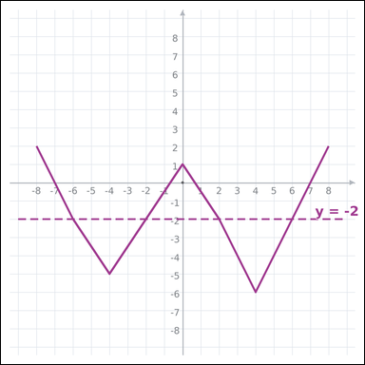 | 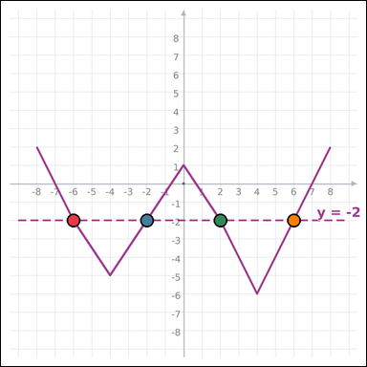 | task_geometry_graphing_count | horizontal_line_intersection_count | Work from the graph-paper plot showing a plotted function graph on graph paper and a dashed horizontal guide line. Use the plotted graph and axes to answer the question. Count the points where the graph intersects the dashed horizontal line y = -2. Return a valid JSON object with keys "evidence" and "answer" in that order. Evidence requirement: set "evidence" to an array of every graph-paper coordinate [x, y] that satisfies the question; use [] when there are none. Answer format: set "answer" to the requested count as an integer. Example JSON: {"evidence":[[0,0],[4,0],[4,2],[0,2]],"answer":8} | Work from the graph-paper plot showing a plotted function graph on graph paper and a dashed horizontal guide line. Use the plotted graph and axes to answer the question. Count the points where the graph intersects the dashed horizontal line y = -2. Return a valid JSON object with key "answer". Answer format: set "answer" to the requested count as an integer. Example JSON: {"answer":8} | {"evidence": [[-6, -2], [-2, -2], [2, -2], [6, -2]], "answer": 4} | [[-6, -2], [-2, -2], [2, -2], [6, -2]] | integer | graph_point_set | 398883996947922 | geometry/task_geometry_graphing_count/images/horizontal_line_intersection_count/0009.png | geometry/task_geometry_graphing_count/data/horizontal_line_intersection_count/0009.json
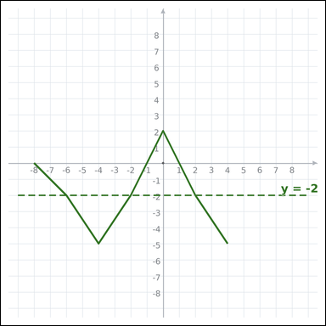 | 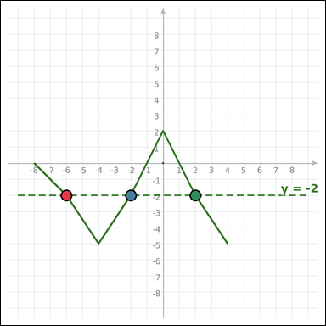 | task_geometry_graphing_count | horizontal_line_intersection_count | Use the graph-paper graph with a plotted function graph on graph paper and a dashed horizontal guide line. Use the plotted graph and axes to answer the question. How many visible intersection points are there between the graph and the dashed line y = -2? Return a valid JSON object with keys "evidence" and "answer" in that order. Evidence rule: set "evidence" to an array of every graph-paper coordinate [x, y] that satisfies the question; use [] when there are none. Answer rule: set "answer" to the requested count as an integer. Example JSON: {"evidence":[[0,0],[4,0],[0,3]],"answer":8} | Use the graph-paper graph with a plotted function graph on graph paper and a dashed horizontal guide line. Use the plotted graph and axes to answer the question. How many visible intersection points are there between the graph and the dashed line y = -2? Return a valid JSON object with key "answer". Answer rule: set "answer" to the requested count as an integer. Example JSON: {"answer":8} | {"evidence": [[-6, -2], [-2, -2], [2, -2]], "answer": 3} | [[-6, -2], [-2, -2], [2, -2]] | integer | graph_point_set | 525482724882001 | geometry/task_geometry_graphing_count/images/horizontal_line_intersection_count/0001.png | geometry/task_geometry_graphing_count/data/horizontal_line_intersection_count/0001.json
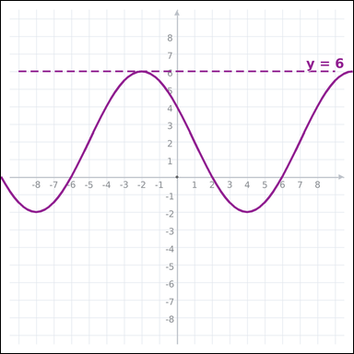 | 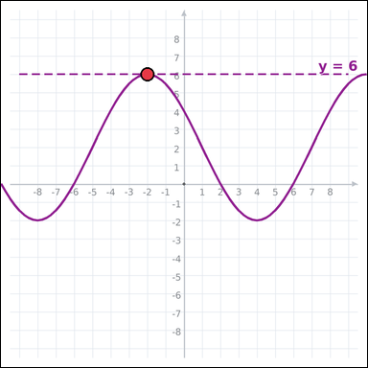 | task_geometry_graphing_count | horizontal_line_intersection_count | You are given a graph-paper image with a plotted function graph on graph paper and a dashed horizontal guide line. Work from the full plotted graph to answer the question. Count the points where the graph intersects the dashed horizontal line y = 6. Return a valid JSON object with keys "evidence" and "answer" in that order. Evidence format: set "evidence" to an array of every graph-paper coordinate [x, y] that satisfies the question; use [] when there are none. Answer requirement: set "answer" to the requested count as an integer. Example JSON: {"evidence":[[0,0]],"answer":8} | You are given a graph-paper image with a plotted function graph on graph paper and a dashed horizontal guide line. Work from the full plotted graph to answer the question. Count the points where the graph intersects the dashed horizontal line y = 6. Return a valid JSON object with key "answer". Answer rule: set "answer" to the requested count as an integer. Example JSON: {"answer":8} | {"evidence": [[-2, 6]], "answer": 1} | [[-2, 6]] | integer | graph_point_set | 631545170993677 | geometry/task_geometry_graphing_count/images/horizontal_line_intersection_count/0024.png | geometry/task_geometry_graphing_count/data/horizontal_line_intersection_count/0024.json
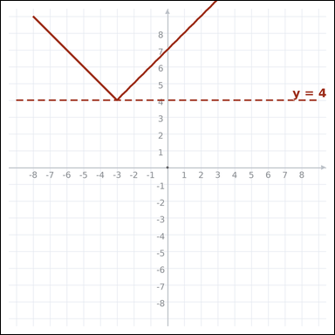 | 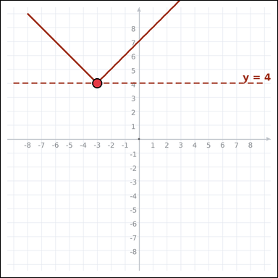 | task_geometry_graphing_count | horizontal_line_intersection_count | You are given a graph-paper image with a plotted function graph on graph paper and a dashed horizontal guide line. Work from the full plotted graph to answer the question. Count the graph's intersection points with the dashed line y = 4. Return a valid JSON object with keys "evidence" and "answer" in that order. Evidence field: set "evidence" to an array of every graph-paper coordinate [x, y] that satisfies the question; use [] when there are none. Answer field: set "answer" to the requested count as an integer. Example JSON: {"evidence":[[0,0]],"answer":8} | You are given a graph-paper image with a plotted function graph on graph paper and a dashed horizontal guide line. Work from the full plotted graph to answer the question. Count the graph's intersection points with the dashed line y = 4. Return a valid JSON object with key "answer". Answer format: set "answer" to the requested count as an integer. Example JSON: {"answer":8} | {"evidence": [[-3, 4]], "answer": 1} | [[-3, 4]] | integer | graph_point_set | 1.4059501936E+15 | geometry/task_geometry_graphing_count/images/horizontal_line_intersection_count/0005.png | geometry/task_geometry_graphing_count/data/horizontal_line_intersection_count/0005.json
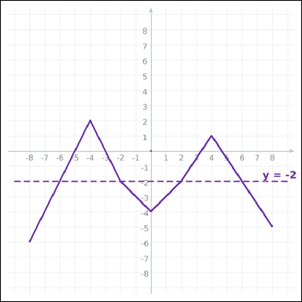 | 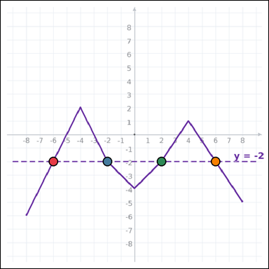 | task_geometry_graphing_count | horizontal_line_intersection_count | Use the graph-paper graph with a plotted function graph on graph paper and a dashed horizontal guide line. Read the entire graph-paper plot carefully, then answer the question. How many intersection points does the graph have with the dashed line y = -2? Return a valid JSON object with keys "evidence" and "answer" in that order. Evidence field: set "evidence" to an array of every graph-paper coordinate [x, y] that satisfies the question; use [] when there are none. Answer field: set "answer" to the requested count as an integer. Example JSON: {"evidence":[[0,0],[4,0],[4,2],[0,2]],"answer":8} | Use the graph-paper graph with a plotted function graph on graph paper and a dashed horizontal guide line. Read the entire graph-paper plot carefully, then answer the question. How many intersection points does the graph have with the dashed line y = -2? Return a valid JSON object with key "answer". Answer field: set "answer" to the requested count as an integer. Example JSON: {"answer":8} | {"evidence": [[-6, -2], [-2, -2], [2, -2], [6, -2]], "answer": 4} | [[-6, -2], [-2, -2], [2, -2], [6, -2]] | integer | graph_point_set | 1.4396330435E+15 | geometry/task_geometry_graphing_count/images/horizontal_line_intersection_count/0018.png | geometry/task_geometry_graphing_count/data/horizontal_line_intersection_count/0018.json
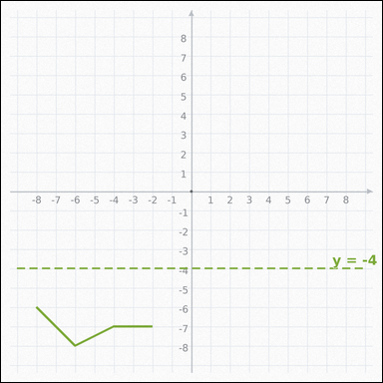 |  | task_geometry_graphing_count | horizontal_line_intersection_count | You are given a graph-paper image with a plotted function graph on graph paper and a dashed horizontal guide line. Use the plotted graph and axes to answer the question. Count the points where the graph intersects the dashed horizontal line y = -4. Return a valid JSON object with keys "evidence" and "answer" in that order. Evidence format: set "evidence" to an array of every graph-paper coordinate [x, y] that satisfies the question; use [] when there are none. Answer requirement: set "answer" to the requested count as an integer. Example JSON: {"evidence":[],"answer":8} | You are given a graph-paper image with a plotted function graph on graph paper and a dashed horizontal guide line. Use the plotted graph and axes to answer the question. Count the points where the graph intersects the dashed horizontal line y = -4. Return a valid JSON object with key "answer". Answer requirement: set "answer" to the requested count as an integer. Example JSON: {"answer":8} | {"evidence": [], "answer": 0} | [] | integer | graph_point_set | 1.4782128937E+15 | geometry/task_geometry_graphing_count/images/horizontal_line_intersection_count/0010.png | geometry/task_geometry_graphing_count/data/horizontal_line_intersection_count/0010.json
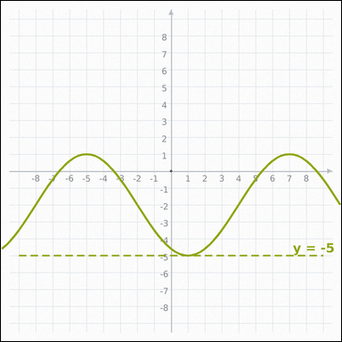 | 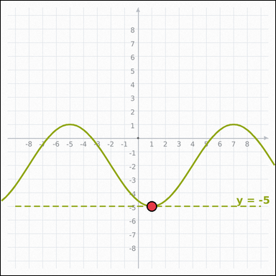 | task_geometry_graphing_count | horizontal_line_intersection_count | The graph-paper image shows a plotted function graph on graph paper and a dashed horizontal guide line. Determine the answer from the graph-paper function plot. How many times does the graph intersect the dashed line y = -5 in the shown window? Return a valid JSON object with keys "evidence" and "answer" in that order. Evidence field: set "evidence" to an array of every graph-paper coordinate [x, y] that satisfies the question; use [] when there are none. Answer field: set "answer" to the requested count as an integer. Example JSON: {"evidence":[[0,0]],"answer":8} | The graph-paper image shows a plotted function graph on graph paper and a dashed horizontal guide line. Determine the answer from the graph-paper function plot. How many times does the graph intersect the dashed line y = -5 in the shown window? Return a valid JSON object with key "answer". Answer field: set "answer" to the requested count as an integer. Example JSON: {"answer":8} | {"evidence": [[1, -5]], "answer": 1} | [[1, -5]] | integer | graph_point_set | 1.8979703313E+15 | geometry/task_geometry_graphing_count/images/horizontal_line_intersection_count/0021.png | geometry/task_geometry_graphing_count/data/horizontal_line_intersection_count/0021.json
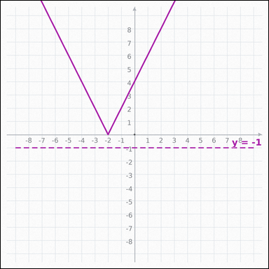 |  | task_geometry_graphing_count | horizontal_line_intersection_count | Work from the graph-paper plot showing a plotted function graph on graph paper and a dashed horizontal guide line. Answer the question using the full graph window. How many intersection points does the graph have with the dashed line y = -1? Return a valid JSON object with keys "evidence" and "answer" in that order. Evidence field: set "evidence" to an array of every graph-paper coordinate [x, y] that satisfies the question; use [] when there are none. Answer field: set "answer" to the requested count as an integer. Example JSON: {"evidence":[],"answer":8} | Work from the graph-paper plot showing a plotted function graph on graph paper and a dashed horizontal guide line. Answer the question using the full graph window. How many intersection points does the graph have with the dashed line y = -1? Return a valid JSON object with key "answer". Answer requirement: set "answer" to the requested count as an integer. Example JSON: {"answer":8} | {"evidence": [], "answer": 0} | [] | integer | graph_point_set | 2.5612532751E+15 | geometry/task_geometry_graphing_count/images/horizontal_line_intersection_count/0015.png | geometry/task_geometry_graphing_count/data/horizontal_line_intersection_count/0015.json
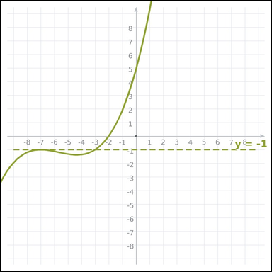 | 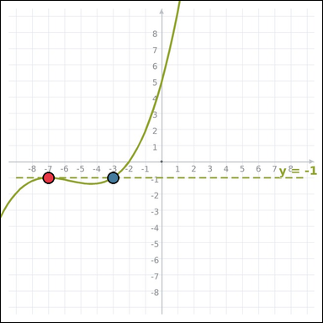 | task_geometry_graphing_count | horizontal_line_intersection_count | Use the graph-paper graph with a plotted function graph on graph paper and a dashed horizontal guide line. Read the entire graph-paper plot carefully, then answer the question. Count the graph's intersection points with the dashed line y = -1. Return a valid JSON object with keys "evidence" and "answer" in that order. Evidence format: set "evidence" to an array of every graph-paper coordinate [x, y] that satisfies the question; use [] when there are none. Answer requirement: set "answer" to the requested count as an integer. Example JSON: {"evidence":[[0,0],[4,0]],"answer":8} | Use the graph-paper graph with a plotted function graph on graph paper and a dashed horizontal guide line. Read the entire graph-paper plot carefully, then answer the question. Count the graph's intersection points with the dashed line y = -1. Return a valid JSON object with key "answer". Answer field: set "answer" to the requested count as an integer. Example JSON: {"answer":8} | {"evidence": [[-7, -1], [-3, -1]], "answer": 2} | [[-7, -1], [-3, -1]] | integer | graph_point_set | 4.3833332492E+15 | geometry/task_geometry_graphing_count/images/horizontal_line_intersection_count/0023.png | geometry/task_geometry_graphing_count/data/horizontal_line_intersection_count/0023.json
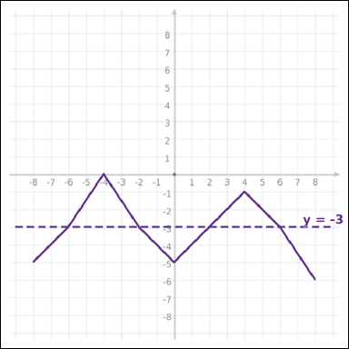 | 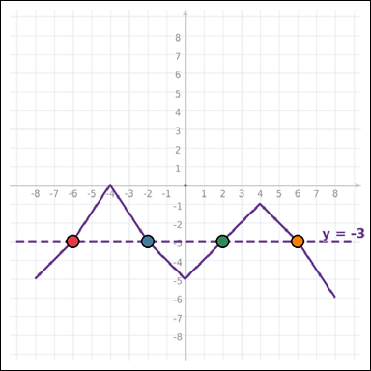 | task_geometry_graphing_count | horizontal_line_intersection_count | Look at the graph-paper plot showing a plotted function graph on graph paper and a dashed horizontal guide line. Determine the answer from the graph-paper function plot. How many intersection points does the graph have with the dashed line y = -3? Return a valid JSON object with keys "evidence" and "answer" in that order. Evidence requirement: set "evidence" to an array of every graph-paper coordinate [x, y] that satisfies the question; use [] when there are none. Answer format: set "answer" to the requested count as an integer. Example JSON: {"evidence":[[0,0],[4,0],[4,2],[0,2]],"answer":8} | Look at the graph-paper plot showing a plotted function graph on graph paper and a dashed horizontal guide line. Determine the answer from the graph-paper function plot. How many intersection points does the graph have with the dashed line y = -3? Return a valid JSON object with key "answer". Answer requirement: set "answer" to the requested count as an integer. Example JSON: {"answer":8} | {"evidence": [[-6, -3], [-2, -3], [2, -3], [6, -3]], "answer": 4} | [[-6, -3], [-2, -3], [2, -3], [6, -3]] | integer | graph_point_set | 4.5134041464E+15 | geometry/task_geometry_graphing_count/images/horizontal_line_intersection_count/0016.png | geometry/task_geometry_graphing_count/data/horizontal_line_intersection_count/0016.json
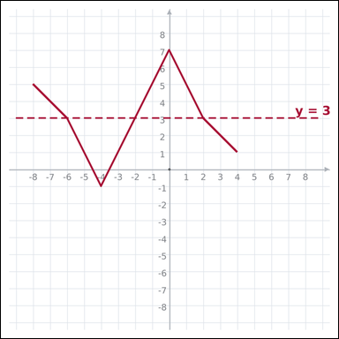 | 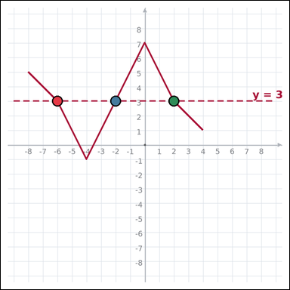 | task_geometry_graphing_count | horizontal_line_intersection_count | Use the graph-paper graph with a plotted function graph on graph paper and a dashed horizontal guide line. Read the entire graph-paper plot carefully, then answer the question. Count the points where the graph intersects the dashed horizontal line y = 3. Return a valid JSON object with keys "evidence" and "answer" in that order. Evidence rule: set "evidence" to an array of every graph-paper coordinate [x, y] that satisfies the question; use [] when there are none. Answer rule: set "answer" to the requested count as an integer. Example JSON: {"evidence":[[0,0],[4,0],[0,3]],"answer":8} | Use the graph-paper graph with a plotted function graph on graph paper and a dashed horizontal guide line. Read the entire graph-paper plot carefully, then answer the question. Count the points where the graph intersects the dashed horizontal line y = 3. Return a valid JSON object with key "answer". Answer requirement: set "answer" to the requested count as an integer. Example JSON: {"answer":8} | {"evidence": [[-6, 3], [-2, 3], [2, 3]], "answer": 3} | [[-6, 3], [-2, 3], [2, 3]] | integer | graph_point_set | 5.1663226474E+15 | geometry/task_geometry_graphing_count/images/horizontal_line_intersection_count/0003.png | geometry/task_geometry_graphing_count/data/horizontal_line_intersection_count/0003.json
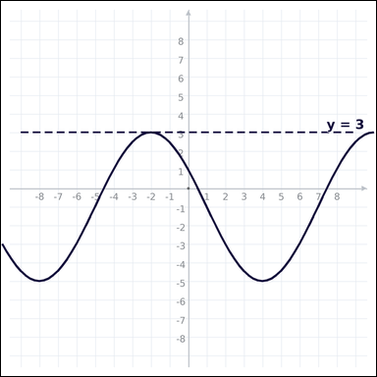 | 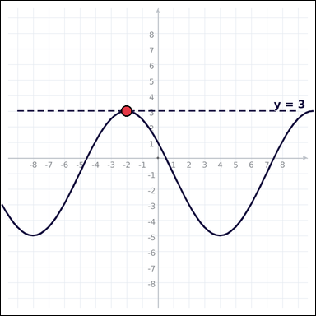 | task_geometry_graphing_count | horizontal_line_intersection_count | Work from the graph-paper plot showing a plotted function graph on graph paper and a dashed horizontal guide line. Read the entire graph-paper plot carefully, then answer the question. How many visible intersection points are there between the graph and the dashed line y = 3? Return a valid JSON object with keys "evidence" and "answer" in that order. Evidence format: set "evidence" to an array of every graph-paper coordinate [x, y] that satisfies the question; use [] when there are none. Answer requirement: set "answer" to the requested count as an integer. Example JSON: {"evidence":[[0,0]],"answer":8} | Work from the graph-paper plot showing a plotted function graph on graph paper and a dashed horizontal guide line. Read the entire graph-paper plot carefully, then answer the question. How many visible intersection points are there between the graph and the dashed line y = 3? Return a valid JSON object with key "answer". Answer field: set "answer" to the requested count as an integer. Example JSON: {"answer":8} | {"evidence": [[-2, 3]], "answer": 1} | [[-2, 3]] | integer | graph_point_set | 5.7304531016E+15 | geometry/task_geometry_graphing_count/images/horizontal_line_intersection_count/0017.png | geometry/task_geometry_graphing_count/data/horizontal_line_intersection_count/0017.json
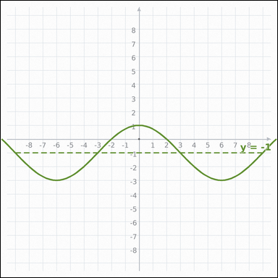 | 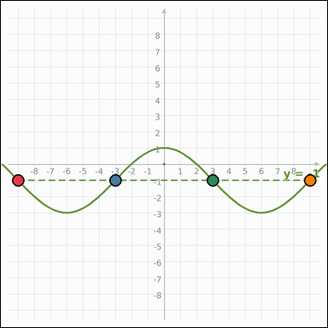 | task_geometry_graphing_count | horizontal_line_intersection_count | Work from the graph-paper plot showing a plotted function graph on graph paper and a dashed horizontal guide line. Read the entire graph-paper plot carefully, then answer the question. How many intersection points does the graph have with the dashed line y = -1? Return a valid JSON object with keys "evidence" and "answer" in that order. Evidence requirement: set "evidence" to an array of every graph-paper coordinate [x, y] that satisfies the question; use [] when there are none. Answer format: set "answer" to the requested count as an integer. Example JSON: {"evidence":[[0,0],[4,0],[4,2],[0,2]],"answer":8} | Work from the graph-paper plot showing a plotted function graph on graph paper and a dashed horizontal guide line. Read the entire graph-paper plot carefully, then answer the question. How many intersection points does the graph have with the dashed line y = -1? Return a valid JSON object with key "answer". Answer rule: set "answer" to the requested count as an integer. Example JSON: {"answer":8} | {"evidence": [[-9, -1], [-3, -1], [3, -1], [9, -1]], "answer": 4} | [[-9, -1], [-3, -1], [3, -1], [9, -1]] | integer | graph_point_set | 6.2503190394E+15 | geometry/task_geometry_graphing_count/images/horizontal_line_intersection_count/0014.png | geometry/task_geometry_graphing_count/data/horizontal_line_intersection_count/0014.json
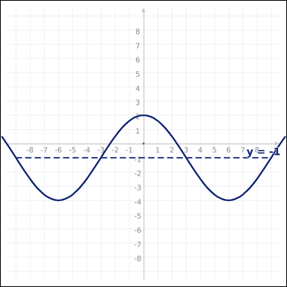 | 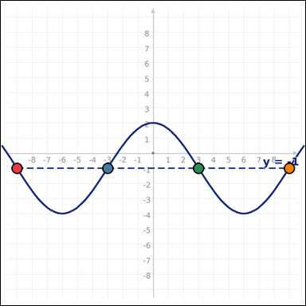 | task_geometry_graphing_count | horizontal_line_intersection_count | Look at the graph-paper plot showing a plotted function graph on graph paper and a dashed horizontal guide line. Use the plotted graph and axes to answer the question. How many times does the graph intersect the dashed line y = -1 in the shown window? Return a valid JSON object with keys "evidence" and "answer" in that order. Evidence requirement: set "evidence" to an array of every graph-paper coordinate [x, y] that satisfies the question; use [] when there are none. Answer format: set "answer" to the requested count as an integer. Example JSON: {"evidence":[[0,0],[4,0],[4,2],[0,2]],"answer":8} | Look at the graph-paper plot showing a plotted function graph on graph paper and a dashed horizontal guide line. Use the plotted graph and axes to answer the question. How many times does the graph intersect the dashed line y = -1 in the shown window? Return a valid JSON object with key "answer". Answer requirement: set "answer" to the requested count as an integer. Example JSON: {"answer":8} | {"evidence": [[-9, -1], [-3, -1], [3, -1], [9, -1]], "answer": 4} | [[-9, -1], [-3, -1], [3, -1], [9, -1]] | integer | graph_point_set | 6.260313537E+15 | geometry/task_geometry_graphing_count/images/horizontal_line_intersection_count/0022.png | geometry/task_geometry_graphing_count/data/horizontal_line_intersection_count/0022.json
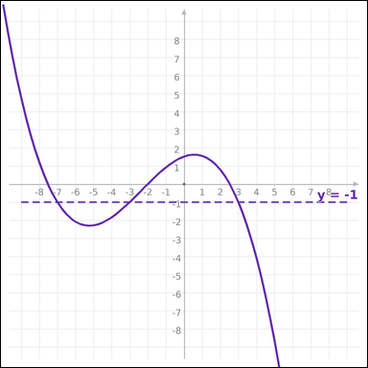 | 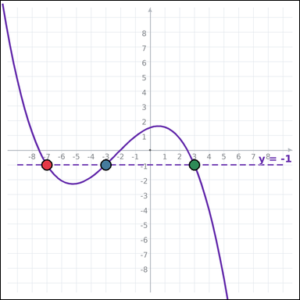 | task_geometry_graphing_count | horizontal_line_intersection_count | Work from the graph-paper plot showing a plotted function graph on graph paper and a dashed horizontal guide line. Determine the answer from the graph-paper function plot. Count the points where the graph intersects the dashed horizontal line y = -1. Return a valid JSON object with keys "evidence" and "answer" in that order. Evidence format: set "evidence" to an array of every graph-paper coordinate [x, y] that satisfies the question; use [] when there are none. Answer requirement: set "answer" to the requested count as an integer. Example JSON: {"evidence":[[0,0],[4,0],[0,3]],"answer":8} | Work from the graph-paper plot showing a plotted function graph on graph paper and a dashed horizontal guide line. Determine the answer from the graph-paper function plot. Count the points where the graph intersects the dashed horizontal line y = -1. Return a valid JSON object with key "answer". Answer rule: set "answer" to the requested count as an integer. Example JSON: {"answer":8} | {"evidence": [[-7, -1], [-3, -1], [3, -1]], "answer": 3} | [[-7, -1], [-3, -1], [3, -1]] | integer | graph_point_set | 6.3394971483E+15 | geometry/task_geometry_graphing_count/images/horizontal_line_intersection_count/0020.png | geometry/task_geometry_graphing_count/data/horizontal_line_intersection_count/0020.json
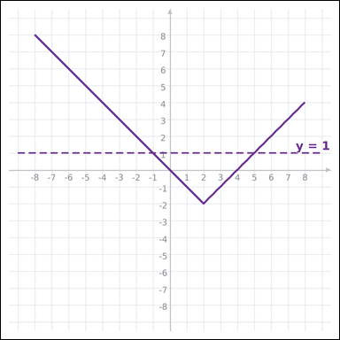 | 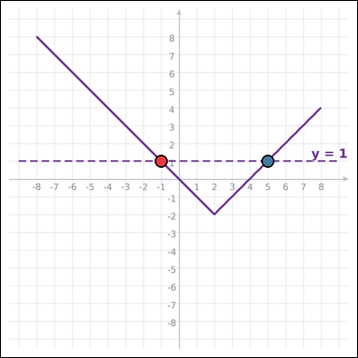 | task_geometry_graphing_count | horizontal_line_intersection_count | Work from the graph-paper plot showing a plotted function graph on graph paper and a dashed horizontal guide line. Work from the full plotted graph to answer the question. How many times does the graph intersect the dashed line y = 1 in the shown window? Return a valid JSON object with keys "evidence" and "answer" in that order. Evidence format: set "evidence" to an array of every graph-paper coordinate [x, y] that satisfies the question; use [] when there are none. Answer requirement: set "answer" to the requested count as an integer. Example JSON: {"evidence":[[0,0],[4,0]],"answer":8} | Work from the graph-paper plot showing a plotted function graph on graph paper and a dashed horizontal guide line. Work from the full plotted graph to answer the question. How many times does the graph intersect the dashed line y = 1 in the shown window? Return a valid JSON object with key "answer". Answer requirement: set "answer" to the requested count as an integer. Example JSON: {"answer":8} | {"evidence": [[-1, 1], [5, 1]], "answer": 2} | [[-1, 1], [5, 1]] | integer | graph_point_set | 6.4281317367E+15 | geometry/task_geometry_graphing_count/images/horizontal_line_intersection_count/0011.png | geometry/task_geometry_graphing_count/data/horizontal_line_intersection_count/0011.json
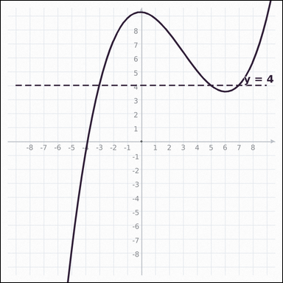 | 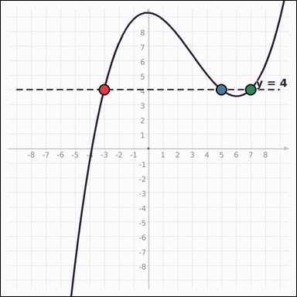 | task_geometry_graphing_count | horizontal_line_intersection_count | The graph-paper image shows a plotted function graph on graph paper and a dashed horizontal guide line. Work from the full plotted graph to answer the question. How many visible intersection points are there between the graph and the dashed line y = 4? Return a valid JSON object with keys "evidence" and "answer" in that order. Evidence requirement: set "evidence" to an array of every graph-paper coordinate [x, y] that satisfies the question; use [] when there are none. Answer format: set "answer" to the requested count as an integer. Example JSON: {"evidence":[[0,0],[4,0],[0,3]],"answer":8} | The graph-paper image shows a plotted function graph on graph paper and a dashed horizontal guide line. Work from the full plotted graph to answer the question. How many visible intersection points are there between the graph and the dashed line y = 4? Return a valid JSON object with key "answer". Answer rule: set "answer" to the requested count as an integer. Example JSON: {"answer":8} | {"evidence": [[-3, 4], [5, 4], [7, 4]], "answer": 3} | [[-3, 4], [5, 4], [7, 4]] | integer | graph_point_set | 7.0486916968E+15 | geometry/task_geometry_graphing_count/images/horizontal_line_intersection_count/0000.png | geometry/task_geometry_graphing_count/data/horizontal_line_intersection_count/0000.json
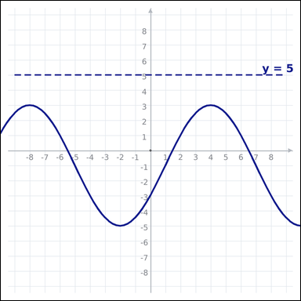 |  | task_geometry_graphing_count | horizontal_line_intersection_count | Work from the graph-paper plot showing a plotted function graph on graph paper and a dashed horizontal guide line. Use the plotted graph and axes to answer the question. How many intersection points does the graph have with the dashed line y = 5? Return a valid JSON object with keys "evidence" and "answer" in that order. Evidence: set "evidence" to an array of every graph-paper coordinate [x, y] that satisfies the question; use [] when there are none. Answer: set "answer" to the requested count as an integer. Example JSON: {"evidence":[],"answer":8} | Work from the graph-paper plot showing a plotted function graph on graph paper and a dashed horizontal guide line. Use the plotted graph and axes to answer the question. How many intersection points does the graph have with the dashed line y = 5? Return a valid JSON object with key "answer". Answer format: set "answer" to the requested count as an integer. Example JSON: {"answer":8} | {"evidence": [], "answer": 0} | [] | integer | graph_point_set | 7.6627691327E+15 | geometry/task_geometry_graphing_count/images/horizontal_line_intersection_count/0002.png | geometry/task_geometry_graphing_count/data/horizontal_line_intersection_count/0002.json
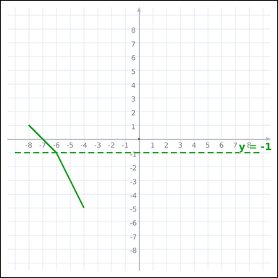 | 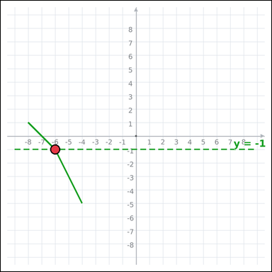 | task_geometry_graphing_count | horizontal_line_intersection_count | Use the graph-paper graph with a plotted function graph on graph paper and a dashed horizontal guide line. Use the plotted graph and axes to answer the question. Count the points where the graph intersects the dashed horizontal line y = -1. Return a valid JSON object with keys "evidence" and "answer" in that order. Evidence rule: set "evidence" to an array of every graph-paper coordinate [x, y] that satisfies the question; use [] when there are none. Answer rule: set "answer" to the requested count as an integer. Example JSON: {"evidence":[[0,0]],"answer":8} | Use the graph-paper graph with a plotted function graph on graph paper and a dashed horizontal guide line. Use the plotted graph and axes to answer the question. Count the points where the graph intersects the dashed horizontal line y = -1. Return a valid JSON object with key "answer". Answer: set "answer" to the requested count as an integer. Example JSON: {"answer":8} | {"evidence": [[-6, -1]], "answer": 1} | [[-6, -1]] | integer | graph_point_set | 7.7306968422E+15 | geometry/task_geometry_graphing_count/images/horizontal_line_intersection_count/0013.png | geometry/task_geometry_graphing_count/data/horizontal_line_intersection_count/0013.json
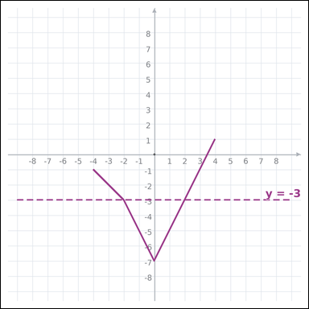 | 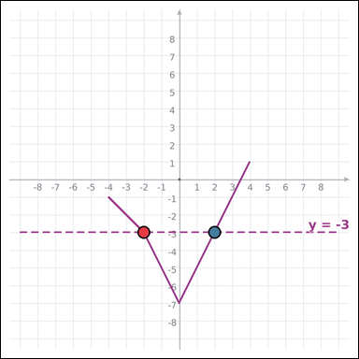 | task_geometry_graphing_count | horizontal_line_intersection_count | Work from the graph-paper plot showing a plotted function graph on graph paper and a dashed horizontal guide line. Determine the answer from the graph-paper function plot. How many times does the graph intersect the dashed line y = -3 in the shown window? Return a valid JSON object with keys "evidence" and "answer" in that order. Evidence format: set "evidence" to an array of every graph-paper coordinate [x, y] that satisfies the question; use [] when there are none. Answer requirement: set "answer" to the requested count as an integer. Example JSON: {"evidence":[[0,0],[4,0]],"answer":8} | Work from the graph-paper plot showing a plotted function graph on graph paper and a dashed horizontal guide line. Determine the answer from the graph-paper function plot. How many times does the graph intersect the dashed line y = -3 in the shown window? Return a valid JSON object with key "answer". Answer format: set "answer" to the requested count as an integer. Example JSON: {"answer":8} | {"evidence": [[-2, -3], [2, -3]], "answer": 2} | [[-2, -3], [2, -3]] | integer | graph_point_set | 7.9908433787E+15 | geometry/task_geometry_graphing_count/images/horizontal_line_intersection_count/0007.png | geometry/task_geometry_graphing_count/data/horizontal_line_intersection_count/0007.json
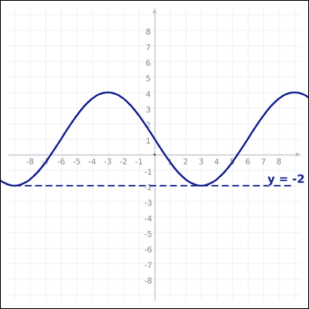 | 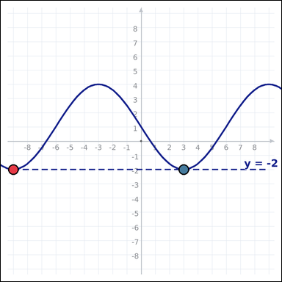 | task_geometry_graphing_count | horizontal_line_intersection_count | Work from the graph-paper plot showing a plotted function graph on graph paper and a dashed horizontal guide line. Determine the answer from the graph-paper function plot. How many times does the graph intersect the dashed line y = -2 in the shown window? Return a valid JSON object with keys "evidence" and "answer" in that order. Evidence requirement: set "evidence" to an array of every graph-paper coordinate [x, y] that satisfies the question; use [] when there are none. Answer format: set "answer" to the requested count as an integer. Example JSON: {"evidence":[[0,0],[4,0]],"answer":8} | Work from the graph-paper plot showing a plotted function graph on graph paper and a dashed horizontal guide line. Determine the answer from the graph-paper function plot. How many times does the graph intersect the dashed line y = -2 in the shown window? Return a valid JSON object with key "answer". Answer rule: set "answer" to the requested count as an integer. Example JSON: {"answer":8} | {"evidence": [[-9, -2], [3, -2]], "answer": 2} | [[-9, -2], [3, -2]] | integer | graph_point_set | 8.0188072565E+15 | geometry/task_geometry_graphing_count/images/horizontal_line_intersection_count/0004.png | geometry/task_geometry_graphing_count/data/horizontal_line_intersection_count/0004.json
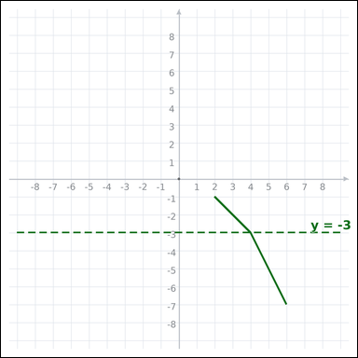 | 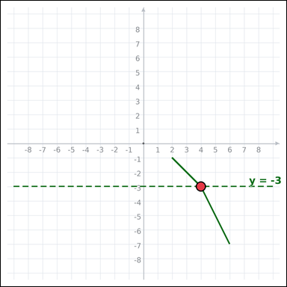 | task_geometry_graphing_count | horizontal_line_intersection_count | You are given a graph-paper image with a plotted function graph on graph paper and a dashed horizontal guide line. Work from the full plotted graph to answer the question. How many times does the graph intersect the dashed line y = -3 in the shown window? Return a valid JSON object with keys "evidence" and "answer" in that order. Evidence format: set "evidence" to an array of every graph-paper coordinate [x, y] that satisfies the question; use [] when there are none. Answer requirement: set "answer" to the requested count as an integer. Example JSON: {"evidence":[[0,0]],"answer":8} | You are given a graph-paper image with a plotted function graph on graph paper and a dashed horizontal guide line. Work from the full plotted graph to answer the question. How many times does the graph intersect the dashed line y = -3 in the shown window? Return a valid JSON object with key "answer". Answer rule: set "answer" to the requested count as an integer. Example JSON: {"answer":8} | {"evidence": [[4, -3]], "answer": 1} | [[4, -3]] | integer | graph_point_set | 8.1490106183E+15 | geometry/task_geometry_graphing_count/images/horizontal_line_intersection_count/0006.png | geometry/task_geometry_graphing_count/data/horizontal_line_intersection_count/0006.json
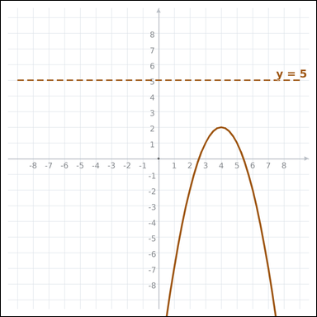 |  | task_geometry_graphing_count | horizontal_line_intersection_count | Use the graph-paper graph with a plotted function graph on graph paper and a dashed horizontal guide line. Read the entire graph-paper plot carefully, then answer the question. How many times does the graph intersect the dashed line y = 5 in the shown window? Return a valid JSON object with keys "evidence" and "answer" in that order. Evidence requirement: set "evidence" to an array of every graph-paper coordinate [x, y] that satisfies the question; use [] when there are none. Answer format: set "answer" to the requested count as an integer. Example JSON: {"evidence":[],"answer":8} | Use the graph-paper graph with a plotted function graph on graph paper and a dashed horizontal guide line. Read the entire graph-paper plot carefully, then answer the question. How many times does the graph intersect the dashed line y = 5 in the shown window? Return a valid JSON object with key "answer". Answer format: set "answer" to the requested count as an integer. Example JSON: {"answer":8} | {"evidence": [], "answer": 0} | [] | integer | graph_point_set | 8.6286317889E+15 | geometry/task_geometry_graphing_count/images/horizontal_line_intersection_count/0019.png | geometry/task_geometry_graphing_count/data/horizontal_line_intersection_count/0019.json
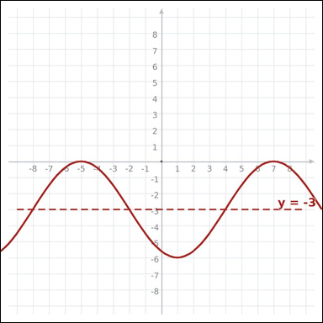 | 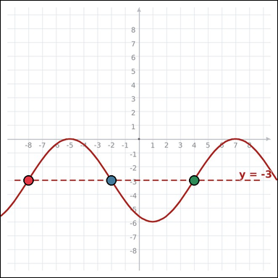 | task_geometry_graphing_count | horizontal_line_intersection_count | Work from the graph-paper plot showing a plotted function graph on graph paper and a dashed horizontal guide line. Answer the question using the full graph window. How many times does the graph intersect the dashed line y = -3 in the shown window? Return a valid JSON object with keys "evidence" and "answer" in that order. Evidence field: set "evidence" to an array of every graph-paper coordinate [x, y] that satisfies the question; use [] when there are none. Answer field: set "answer" to the requested count as an integer. Example JSON: {"evidence":[[0,0],[4,0],[0,3]],"answer":8} | Work from the graph-paper plot showing a plotted function graph on graph paper and a dashed horizontal guide line. Answer the question using the full graph window. How many times does the graph intersect the dashed line y = -3 in the shown window? Return a valid JSON object with key "answer". Answer rule: set "answer" to the requested count as an integer. Example JSON: {"answer":8} | {"evidence": [[-8, -3], [-2, -3], [4, -3]], "answer": 3} | [[-8, -3], [-2, -3], [4, -3]] | integer | graph_point_set | 8.7811257585E+15 | geometry/task_geometry_graphing_count/images/horizontal_line_intersection_count/0012.png | geometry/task_geometry_graphing_count/data/horizontal_line_intersection_count/0012.json
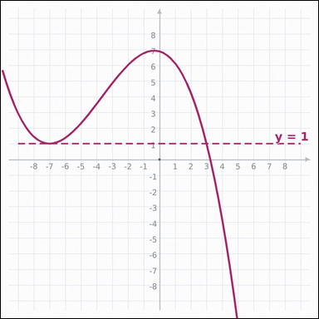 | 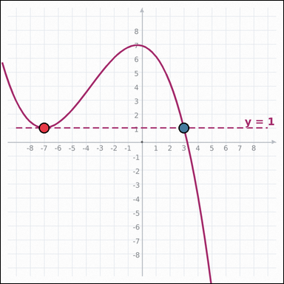 | task_geometry_graphing_count | horizontal_line_intersection_count | The graph-paper image shows a plotted function graph on graph paper and a dashed horizontal guide line. Read the entire graph-paper plot carefully, then answer the question. How many times does the graph intersect the dashed line y = 1 in the shown window? Return a valid JSON object with keys "evidence" and "answer" in that order. Evidence field: set "evidence" to an array of every graph-paper coordinate [x, y] that satisfies the question; use [] when there are none. Answer field: set "answer" to the requested count as an integer. Example JSON: {"evidence":[[0,0],[4,0]],"answer":8} | The graph-paper image shows a plotted function graph on graph paper and a dashed horizontal guide line. Read the entire graph-paper plot carefully, then answer the question. How many times does the graph intersect the dashed line y = 1 in the shown window? Return a valid JSON object with key "answer". Answer requirement: set "answer" to the requested count as an integer. Example JSON: {"answer":8} | {"evidence": [[-7, 1], [3, 1]], "answer": 2} | [[-7, 1], [3, 1]] | integer | graph_point_set | 8.8169834155E+15 | geometry/task_geometry_graphing_count/images/horizontal_line_intersection_count/0008.png | geometry/task_geometry_graphing_count/data/horizontal_line_intersection_count/0008.json

local_maxima_count
image | evidence_image | task | task_variant | prompt | prompt_answer_only | answer | answer_evidence | answer_type | evidence_type | instance_seed | image_path | data_path
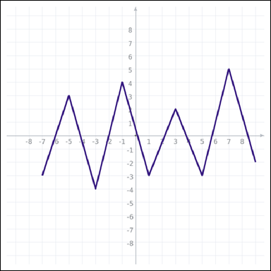 | 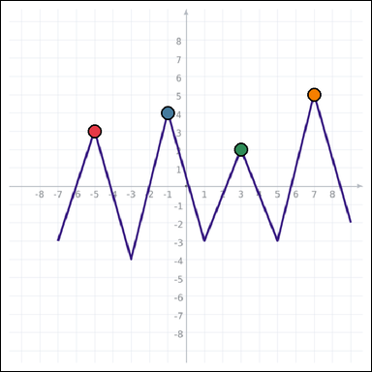 | task_geometry_graphing_count | local_maxima_count | You are given a graph-paper image with a plotted function graph on graph paper. Answer the question using the full graph window. Count the visible local maximum points on the plotted graph. Return a valid JSON object with keys "evidence" and "answer" in that order. Evidence rule: set "evidence" to an array of every graph-paper coordinate [x, y] that satisfies the question; use [] when there are none. Answer rule: set "answer" to the requested count as an integer. Example JSON: {"evidence":[[0,0],[4,0],[4,2],[0,2]],"answer":8} | You are given a graph-paper image with a plotted function graph on graph paper. Answer the question using the full graph window. Count the visible local maximum points on the plotted graph. Return a valid JSON object with key "answer". Answer field: set "answer" to the requested count as an integer. Example JSON: {"answer":8} | {"evidence": [[-5, 3], [-1, 4], [3, 2], [7, 5]], "answer": 4} | [[-5, 3], [-1, 4], [3, 2], [7, 5]] | integer | graph_point_set | 76478833880780 | geometry/task_geometry_graphing_count/images/local_maxima_count/0012.png | geometry/task_geometry_graphing_count/data/local_maxima_count/0012.json
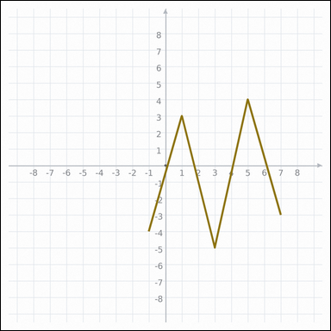 | 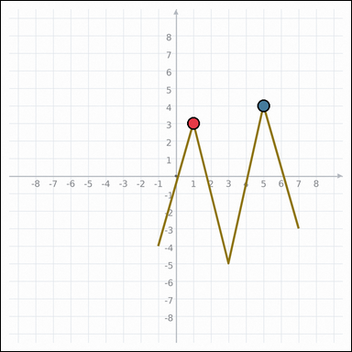 | task_geometry_graphing_count | local_maxima_count | You are given a graph-paper image with a plotted function graph on graph paper. Read the entire graph-paper plot carefully, then answer the question. How many local maxima are visible in the graph window? Return a valid JSON object with keys "evidence" and "answer" in that order. Evidence rule: set "evidence" to an array of every graph-paper coordinate [x, y] that satisfies the question; use [] when there are none. Answer rule: set "answer" to the requested count as an integer. Example JSON: {"evidence":[[0,0],[4,0]],"answer":8} | You are given a graph-paper image with a plotted function graph on graph paper. Read the entire graph-paper plot carefully, then answer the question. How many local maxima are visible in the graph window? Return a valid JSON object with key "answer". Answer: set "answer" to the requested count as an integer. Example JSON: {"answer":8} | {"evidence": [[1, 3], [5, 4]], "answer": 2} | [[1, 3], [5, 4]] | integer | graph_point_set | 1.37645418E+15 | geometry/task_geometry_graphing_count/images/local_maxima_count/0021.png | geometry/task_geometry_graphing_count/data/local_maxima_count/0021.json
 |  | task_geometry_graphing_count | local_maxima_count | You are given a graph-paper image with a plotted function graph on graph paper. Work from the full plotted graph to answer the question. How many visible peaks or local maxima does the curve have? Return a valid JSON object with keys "evidence" and "answer" in that order. Evidence: set "evidence" to an array of every graph-paper coordinate [x, y] that satisfies the question; use [] when there are none. Answer: set "answer" to the requested count as an integer. Example JSON: {"evidence":[[0,0],[4,0],[4,2],[0,2]],"answer":8} | You are given a graph-paper image with a plotted function graph on graph paper. Work from the full plotted graph to answer the question. How many visible peaks or local maxima does the curve have? Return a valid JSON object with key "answer". Answer: set "answer" to the requested count as an integer. Example JSON: {"answer":8} | {"evidence": [[-5, 2], [-1, 5], [3, 2], [7, 3]], "answer": 4} | [[-5, 2], [-1, 5], [3, 2], [7, 3]] | integer | graph_point_set | 1.6157495705E+15 | geometry/task_geometry_graphing_count/images/local_maxima_count/0009.png | geometry/task_geometry_graphing_count/data/local_maxima_count/0009.json
 |  | task_geometry_graphing_count | local_maxima_count | Work from the graph-paper plot showing a plotted function graph on graph paper. Work from the full plotted graph to answer the question. How many visible peaks or local maxima does the curve have? Return a valid JSON object with keys "evidence" and "answer" in that order. Evidence format: set "evidence" to an array of every graph-paper coordinate [x, y] that satisfies the question; use [] when there are none. Answer requirement: set "answer" to the requested count as an integer. Example JSON: {"evidence":[[0,0],[4,0],[4,2],[0,2]],"answer":8} | Work from the graph-paper plot showing a plotted function graph on graph paper. Work from the full plotted graph to answer the question. How many visible peaks or local maxima does the curve have? Return a valid JSON object with key "answer". Answer format: set "answer" to the requested count as an integer. Example JSON: {"answer":8} | {"evidence": [[-7, 5], [-3, 2], [1, 4], [5, 2]], "answer": 4} | [[-7, 5], [-3, 2], [1, 4], [5, 2]] | integer | graph_point_set | 1.9353060919E+15 | geometry/task_geometry_graphing_count/images/local_maxima_count/0024.png | geometry/task_geometry_graphing_count/data/local_maxima_count/0024.json
 |  | task_geometry_graphing_count | local_maxima_count | You are given a graph-paper image with a plotted function graph on graph paper. Work from the full plotted graph to answer the question. Count the visible local maximum points on the plotted graph. Return a valid JSON object with keys "evidence" and "answer" in that order. Evidence field: set "evidence" to an array of every graph-paper coordinate [x, y] that satisfies the question; use [] when there are none. Answer field: set "answer" to the requested count as an integer. Example JSON: {"evidence":[[0,0]],"answer":8} | You are given a graph-paper image with a plotted function graph on graph paper. Work from the full plotted graph to answer the question. Count the visible local maximum points on the plotted graph. Return a valid JSON object with key "answer". Answer requirement: set "answer" to the requested count as an integer. Example JSON: {"answer":8} | {"evidence": [[-2, 6]], "answer": 1} | [[-2, 6]] | integer | graph_point_set | 1.993589135E+15 | geometry/task_geometry_graphing_count/images/local_maxima_count/0016.png | geometry/task_geometry_graphing_count/data/local_maxima_count/0016.json
 |  | task_geometry_graphing_count | local_maxima_count | You are given a graph-paper image with a plotted function graph on graph paper. Work from the full plotted graph to answer the question. How many local maxima are visible in the graph window? Return a valid JSON object with keys "evidence" and "answer" in that order. Evidence field: set "evidence" to an array of every graph-paper coordinate [x, y] that satisfies the question; use [] when there are none. Answer field: set "answer" to the requested count as an integer. Example JSON: {"evidence":[[0,0],[4,0]],"answer":8} | You are given a graph-paper image with a plotted function graph on graph paper. Work from the full plotted graph to answer the question. How many local maxima are visible in the graph window? Return a valid JSON object with key "answer". Answer: set "answer" to the requested count as an integer. Example JSON: {"answer":8} | {"evidence": [[-5, 0], [7, 0]], "answer": 2} | [[-5, 0], [7, 0]] | integer | graph_point_set | 2.0792772944E+15 | geometry/task_geometry_graphing_count/images/local_maxima_count/0013.png | geometry/task_geometry_graphing_count/data/local_maxima_count/0013.json
 |  | task_geometry_graphing_count | local_maxima_count | Use the graph-paper graph with a plotted function graph on graph paper. Work from the full plotted graph to answer the question. How many local maxima are visible in the graph window? Return a valid JSON object with keys "evidence" and "answer" in that order. Evidence format: set "evidence" to an array of every graph-paper coordinate [x, y] that satisfies the question; use [] when there are none. Answer requirement: set "answer" to the requested count as an integer. Example JSON: {"evidence":[[0,0]],"answer":8} | Use the graph-paper graph with a plotted function graph on graph paper. Work from the full plotted graph to answer the question. How many local maxima are visible in the graph window? Return a valid JSON object with key "answer". Answer: set "answer" to the requested count as an integer. Example JSON: {"answer":8} | {"evidence": [[-3, 2]], "answer": 1} | [[-3, 2]] | integer | graph_point_set | 2.9949147781E+15 | geometry/task_geometry_graphing_count/images/local_maxima_count/0019.png | geometry/task_geometry_graphing_count/data/local_maxima_count/0019.json
 |  | task_geometry_graphing_count | local_maxima_count | The graph-paper image shows a plotted function graph on graph paper. Read the entire graph-paper plot carefully, then answer the question. Count the visible local maximum points on the plotted graph. Return a valid JSON object with keys "evidence" and "answer" in that order. Evidence rule: set "evidence" to an array of every graph-paper coordinate [x, y] that satisfies the question; use [] when there are none. Answer rule: set "answer" to the requested count as an integer. Example JSON: {"evidence":[[0,0],[4,0],[4,2],[0,2]],"answer":8} | The graph-paper image shows a plotted function graph on graph paper. Read the entire graph-paper plot carefully, then answer the question. Count the visible local maximum points on the plotted graph. Return a valid JSON object with key "answer". Answer requirement: set "answer" to the requested count as an integer. Example JSON: {"answer":8} | {"evidence": [[-7, 3], [-3, 3], [1, 5], [5, 4]], "answer": 4} | [[-7, 3], [-3, 3], [1, 5], [5, 4]] | integer | graph_point_set | 3.3802600248E+15 | geometry/task_geometry_graphing_count/images/local_maxima_count/0005.png | geometry/task_geometry_graphing_count/data/local_maxima_count/0005.json
 |  | task_geometry_graphing_count | local_maxima_count | Use the graph-paper graph with a plotted function graph on graph paper. Answer the question using the full graph window. How many local maxima are visible in the graph window? Return a valid JSON object with keys "evidence" and "answer" in that order. Evidence format: set "evidence" to an array of every graph-paper coordinate [x, y] that satisfies the question; use [] when there are none. Answer requirement: set "answer" to the requested count as an integer. Example JSON: {"evidence":[[0,0]],"answer":8} | Use the graph-paper graph with a plotted function graph on graph paper. Answer the question using the full graph window. How many local maxima are visible in the graph window? Return a valid JSON object with key "answer". Answer format: set "answer" to the requested count as an integer. Example JSON: {"answer":8} | {"evidence": [[5, 2]], "answer": 1} | [[5, 2]] | integer | graph_point_set | 3.9618154899E+15 | geometry/task_geometry_graphing_count/images/local_maxima_count/0015.png | geometry/task_geometry_graphing_count/data/local_maxima_count/0015.json
 |  | task_geometry_graphing_count | local_maxima_count | Use the graph-paper graph with a plotted function graph on graph paper. Determine the answer from the graph-paper function plot. Count the visible local maximum points on the plotted graph. Return a valid JSON object with keys "evidence" and "answer" in that order. Evidence rule: set "evidence" to an array of every graph-paper coordinate [x, y] that satisfies the question; use [] when there are none. Answer rule: set "answer" to the requested count as an integer. Example JSON: {"evidence":[],"answer":8} | Use the graph-paper graph with a plotted function graph on graph paper. Determine the answer from the graph-paper function plot. Count the visible local maximum points on the plotted graph. Return a valid JSON object with key "answer". Answer format: set "answer" to the requested count as an integer. Example JSON: {"answer":8} | {"evidence": [], "answer": 0} | [] | integer | graph_point_set | 4.3313033706E+15 | geometry/task_geometry_graphing_count/images/local_maxima_count/0000.png | geometry/task_geometry_graphing_count/data/local_maxima_count/0000.json
 |  | task_geometry_graphing_count | local_maxima_count | You are given a graph-paper image with a plotted function graph on graph paper. Determine the answer from the graph-paper function plot. Count the visible local maximum points on the plotted graph. Return a valid JSON object with keys "evidence" and "answer" in that order. Evidence: set "evidence" to an array of every graph-paper coordinate [x, y] that satisfies the question; use [] when there are none. Answer: set "answer" to the requested count as an integer. Example JSON: {"evidence":[[0,0]],"answer":8} | You are given a graph-paper image with a plotted function graph on graph paper. Determine the answer from the graph-paper function plot. Count the visible local maximum points on the plotted graph. Return a valid JSON object with key "answer". Answer rule: set "answer" to the requested count as an integer. Example JSON: {"answer":8} | {"evidence": [[3, 4]], "answer": 1} | [[3, 4]] | integer | graph_point_set | 4.3495440756E+15 | geometry/task_geometry_graphing_count/images/local_maxima_count/0023.png | geometry/task_geometry_graphing_count/data/local_maxima_count/0023.json
 |  | task_geometry_graphing_count | local_maxima_count | Work from the graph-paper plot showing a plotted function graph on graph paper. Work from the full plotted graph to answer the question. Count the visible local maximum points on the plotted graph. Return a valid JSON object with keys "evidence" and "answer" in that order. Evidence format: set "evidence" to an array of every graph-paper coordinate [x, y] that satisfies the question; use [] when there are none. Answer requirement: set "answer" to the requested count as an integer. Example JSON: {"evidence":[[0,0],[4,0],[0,3]],"answer":8} | Work from the graph-paper plot showing a plotted function graph on graph paper. Work from the full plotted graph to answer the question. Count the visible local maximum points on the plotted graph. Return a valid JSON object with key "answer". Answer field: set "answer" to the requested count as an integer. Example JSON: {"answer":8} | {"evidence": [[-7, 4], [-3, 2], [1, 2]], "answer": 3} | [[-7, 4], [-3, 2], [1, 2]] | integer | graph_point_set | 4.5843285016E+15 | geometry/task_geometry_graphing_count/images/local_maxima_count/0022.png | geometry/task_geometry_graphing_count/data/local_maxima_count/0022.json
 |  | task_geometry_graphing_count | local_maxima_count | The graph-paper image shows a plotted function graph on graph paper. Determine the answer from the graph-paper function plot. How many local-maximum coordinates are visible on the graph? Return a valid JSON object with keys "evidence" and "answer" in that order. Evidence requirement: set "evidence" to an array of every graph-paper coordinate [x, y] that satisfies the question; use [] when there are none. Answer format: set "answer" to the requested count as an integer. Example JSON: {"evidence":[[0,0],[4,0]],"answer":8} | The graph-paper image shows a plotted function graph on graph paper. Determine the answer from the graph-paper function plot. How many local-maximum coordinates are visible on the graph? Return a valid JSON object with key "answer". Answer: set "answer" to the requested count as an integer. Example JSON: {"answer":8} | {"evidence": [[-3, 4], [1, 3]], "answer": 2} | [[-3, 4], [1, 3]] | integer | graph_point_set | 4.6068046943E+15 | geometry/task_geometry_graphing_count/images/local_maxima_count/0017.png | geometry/task_geometry_graphing_count/data/local_maxima_count/0017.json
 |  | task_geometry_graphing_count | local_maxima_count | The graph-paper image shows a plotted function graph on graph paper. Determine the answer from the graph-paper function plot. Count the graph's local maxima in the shown window. Return a valid JSON object with keys "evidence" and "answer" in that order. Evidence requirement: set "evidence" to an array of every graph-paper coordinate [x, y] that satisfies the question; use [] when there are none. Answer format: set "answer" to the requested count as an integer. Example JSON: {"evidence":[],"answer":8} | The graph-paper image shows a plotted function graph on graph paper. Determine the answer from the graph-paper function plot. Count the graph's local maxima in the shown window. Return a valid JSON object with key "answer". Answer format: set "answer" to the requested count as an integer. Example JSON: {"answer":8} | {"evidence": [], "answer": 0} | [] | integer | graph_point_set | 5.133398315E+15 | geometry/task_geometry_graphing_count/images/local_maxima_count/0008.png | geometry/task_geometry_graphing_count/data/local_maxima_count/0008.json
 |  | task_geometry_graphing_count | local_maxima_count | The graph-paper image shows a plotted function graph on graph paper. Read the entire graph-paper plot carefully, then answer the question. How many visible peaks or local maxima does the curve have? Return a valid JSON object with keys "evidence" and "answer" in that order. Evidence field: set "evidence" to an array of every graph-paper coordinate [x, y] that satisfies the question; use [] when there are none. Answer field: set "answer" to the requested count as an integer. Example JSON: {"evidence":[[0,0],[4,0]],"answer":8} | The graph-paper image shows a plotted function graph on graph paper. Read the entire graph-paper plot carefully, then answer the question. How many visible peaks or local maxima does the curve have? Return a valid JSON object with key "answer". Answer field: set "answer" to the requested count as an integer. Example JSON: {"answer":8} | {"evidence": [[-5, 1], [7, 1]], "answer": 2} | [[-5, 1], [7, 1]] | integer | graph_point_set | 5.1494278147E+15 | geometry/task_geometry_graphing_count/images/local_maxima_count/0014.png | geometry/task_geometry_graphing_count/data/local_maxima_count/0014.json
 |  | task_geometry_graphing_count | local_maxima_count | Work from the graph-paper plot showing a plotted function graph on graph paper. Determine the answer from the graph-paper function plot. How many local-maximum coordinates are visible on the graph? Return a valid JSON object with keys "evidence" and "answer" in that order. Evidence: set "evidence" to an array of every graph-paper coordinate [x, y] that satisfies the question; use [] when there are none. Answer: set "answer" to the requested count as an integer. Example JSON: {"evidence":[[0,0],[4,0]],"answer":8} | Work from the graph-paper plot showing a plotted function graph on graph paper. Determine the answer from the graph-paper function plot. How many local-maximum coordinates are visible on the graph? Return a valid JSON object with key "answer". Answer field: set "answer" to the requested count as an integer. Example JSON: {"answer":8} | {"evidence": [[-5, 2], [7, 2]], "answer": 2} | [[-5, 2], [7, 2]] | integer | graph_point_set | 5.3403652822E+15 | geometry/task_geometry_graphing_count/images/local_maxima_count/0003.png | geometry/task_geometry_graphing_count/data/local_maxima_count/0003.json
 |  | task_geometry_graphing_count | local_maxima_count | Work from the graph-paper plot showing a plotted function graph on graph paper. Determine the answer from the graph-paper function plot. How many local maxima are visible in the graph window? Return a valid JSON object with keys "evidence" and "answer" in that order. Evidence: set "evidence" to an array of every graph-paper coordinate [x, y] that satisfies the question; use [] when there are none. Answer: set "answer" to the requested count as an integer. Example JSON: {"evidence":[[0,0]],"answer":8} | Work from the graph-paper plot showing a plotted function graph on graph paper. Determine the answer from the graph-paper function plot. How many local maxima are visible in the graph window? Return a valid JSON object with key "answer". Answer: set "answer" to the requested count as an integer. Example JSON: {"answer":8} | {"evidence": [[-3, 3]], "answer": 1} | [[-3, 3]] | integer | graph_point_set | 5.5809600317E+15 | geometry/task_geometry_graphing_count/images/local_maxima_count/0011.png | geometry/task_geometry_graphing_count/data/local_maxima_count/0011.json
 |  | task_geometry_graphing_count | local_maxima_count | Work from the graph-paper plot showing a plotted function graph on graph paper. Determine the answer from the graph-paper function plot. Count the graph's local maxima in the shown window. Return a valid JSON object with keys "evidence" and "answer" in that order. Evidence rule: set "evidence" to an array of every graph-paper coordinate [x, y] that satisfies the question; use [] when there are none. Answer rule: set "answer" to the requested count as an integer. Example JSON: {"evidence":[[0,0],[4,0]],"answer":8} | Work from the graph-paper plot showing a plotted function graph on graph paper. Determine the answer from the graph-paper function plot. Count the graph's local maxima in the shown window. Return a valid JSON object with key "answer". Answer field: set "answer" to the requested count as an integer. Example JSON: {"answer":8} | {"evidence": [[-7, 2], [-3, 2]], "answer": 2} | [[-7, 2], [-3, 2]] | integer | graph_point_set | 6.1620920614E+15 | geometry/task_geometry_graphing_count/images/local_maxima_count/0002.png | geometry/task_geometry_graphing_count/data/local_maxima_count/0002.json
 |  | task_geometry_graphing_count | local_maxima_count | Look at the graph-paper plot showing a plotted function graph on graph paper. Answer the question using the full graph window. How many local-maximum coordinates are visible on the graph? Return a valid JSON object with keys "evidence" and "answer" in that order. Evidence requirement: set "evidence" to an array of every graph-paper coordinate [x, y] that satisfies the question; use [] when there are none. Answer format: set "answer" to the requested count as an integer. Example JSON: {"evidence":[[0,0]],"answer":8} | Look at the graph-paper plot showing a plotted function graph on graph paper. Answer the question using the full graph window. How many local-maximum coordinates are visible on the graph? Return a valid JSON object with key "answer". Answer format: set "answer" to the requested count as an integer. Example JSON: {"answer":8} | {"evidence": [[-5, 2]], "answer": 1} | [[-5, 2]] | integer | graph_point_set | 6.2073185831E+15 | geometry/task_geometry_graphing_count/images/local_maxima_count/0018.png | geometry/task_geometry_graphing_count/data/local_maxima_count/0018.json
 |  | task_geometry_graphing_count | local_maxima_count | Look at the graph-paper plot showing a plotted function graph on graph paper. Answer the question using the full graph window. Count the graph's local maxima in the shown window. Return a valid JSON object with keys "evidence" and "answer" in that order. Evidence rule: set "evidence" to an array of every graph-paper coordinate [x, y] that satisfies the question; use [] when there are none. Answer rule: set "answer" to the requested count as an integer. Example JSON: {"evidence":[[0,0],[4,0]],"answer":8} | Look at the graph-paper plot showing a plotted function graph on graph paper. Answer the question using the full graph window. Count the graph's local maxima in the shown window. Return a valid JSON object with key "answer". Answer rule: set "answer" to the requested count as an integer. Example JSON: {"answer":8} | {"evidence": [[-7, 5], [-3, 5]], "answer": 2} | [[-7, 5], [-3, 5]] | integer | graph_point_set | 6.9001826026E+15 | geometry/task_geometry_graphing_count/images/local_maxima_count/0004.png | geometry/task_geometry_graphing_count/data/local_maxima_count/0004.json
 |  | task_geometry_graphing_count | local_maxima_count | The graph-paper image shows a plotted function graph on graph paper. Work from the full plotted graph to answer the question. How many visible peaks or local maxima does the curve have? Return a valid JSON object with keys "evidence" and "answer" in that order. Evidence requirement: set "evidence" to an array of every graph-paper coordinate [x, y] that satisfies the question; use [] when there are none. Answer format: set "answer" to the requested count as an integer. Example JSON: {"evidence":[[0,0]],"answer":8} | The graph-paper image shows a plotted function graph on graph paper. Work from the full plotted graph to answer the question. How many visible peaks or local maxima does the curve have? Return a valid JSON object with key "answer". Answer format: set "answer" to the requested count as an integer. Example JSON: {"answer":8} | {"evidence": [[-7, 3]], "answer": 1} | [[-7, 3]] | integer | graph_point_set | 7.3083905693E+15 | geometry/task_geometry_graphing_count/images/local_maxima_count/0007.png | geometry/task_geometry_graphing_count/data/local_maxima_count/0007.json
 |  | task_geometry_graphing_count | local_maxima_count | The graph-paper image shows a plotted function graph on graph paper. Read the entire graph-paper plot carefully, then answer the question. Count the graph's local maxima in the shown window. Return a valid JSON object with keys "evidence" and "answer" in that order. Evidence rule: set "evidence" to an array of every graph-paper coordinate [x, y] that satisfies the question; use [] when there are none. Answer rule: set "answer" to the requested count as an integer. Example JSON: {"evidence":[[0,0]],"answer":8} | The graph-paper image shows a plotted function graph on graph paper. Read the entire graph-paper plot carefully, then answer the question. Count the graph's local maxima in the shown window. Return a valid JSON object with key "answer". Answer requirement: set "answer" to the requested count as an integer. Example JSON: {"answer":8} | {"evidence": [[-2, 2]], "answer": 1} | [[-2, 2]] | integer | graph_point_set | 7.4390996755E+15 | geometry/task_geometry_graphing_count/images/local_maxima_count/0020.png | geometry/task_geometry_graphing_count/data/local_maxima_count/0020.json
 |  | task_geometry_graphing_count | local_maxima_count | Use the graph-paper graph with a plotted function graph on graph paper. Determine the answer from the graph-paper function plot. Count the visible local maximum points on the plotted graph. Return a valid JSON object with keys "evidence" and "answer" in that order. Evidence field: set "evidence" to an array of every graph-paper coordinate [x, y] that satisfies the question; use [] when there are none. Answer field: set "answer" to the requested count as an integer. Example JSON: {"evidence":[[0,0],[4,0]],"answer":8} | Use the graph-paper graph with a plotted function graph on graph paper. Determine the answer from the graph-paper function plot. Count the visible local maximum points on the plotted graph. Return a valid JSON object with key "answer". Answer format: set "answer" to the requested count as an integer. Example JSON: {"answer":8} | {"evidence": [[1, 3], [5, 4]], "answer": 2} | [[1, 3], [5, 4]] | integer | graph_point_set | 8.5239363689E+15 | geometry/task_geometry_graphing_count/images/local_maxima_count/0006.png | geometry/task_geometry_graphing_count/data/local_maxima_count/0006.json
 |  | task_geometry_graphing_count | local_maxima_count | The graph-paper image shows a plotted function graph on graph paper. Read the entire graph-paper plot carefully, then answer the question. How many local maxima are visible in the graph window? Return a valid JSON object with keys "evidence" and "answer" in that order. Evidence field: set "evidence" to an array of every graph-paper coordinate [x, y] that satisfies the question; use [] when there are none. Answer field: set "answer" to the requested count as an integer. Example JSON: {"evidence":[[0,0],[4,0],[4,2],[0,2]],"answer":8} | The graph-paper image shows a plotted function graph on graph paper. Read the entire graph-paper plot carefully, then answer the question. How many local maxima are visible in the graph window? Return a valid JSON object with key "answer". Answer: set "answer" to the requested count as an integer. Example JSON: {"answer":8} | {"evidence": [[-7, 2], [-3, 4], [1, 2], [5, 3]], "answer": 4} | [[-7, 2], [-3, 4], [1, 2], [5, 3]] | integer | graph_point_set | 8.8949829545E+15 | geometry/task_geometry_graphing_count/images/local_maxima_count/0001.png | geometry/task_geometry_graphing_count/data/local_maxima_count/0001.json
 |  | task_geometry_graphing_count | local_maxima_count | Use the graph-paper graph with a plotted function graph on graph paper. Read the entire graph-paper plot carefully, then answer the question. Count the graph's local maxima in the shown window. Return a valid JSON object with keys "evidence" and "answer" in that order. Evidence requirement: set "evidence" to an array of every graph-paper coordinate [x, y] that satisfies the question; use [] when there are none. Answer format: set "answer" to the requested count as an integer. Example JSON: {"evidence":[[0,0]],"answer":8} | Use the graph-paper graph with a plotted function graph on graph paper. Read the entire graph-paper plot carefully, then answer the question. Count the graph's local maxima in the shown window. Return a valid JSON object with key "answer". Answer rule: set "answer" to the requested count as an integer. Example JSON: {"answer":8} | {"evidence": [[3, 2]], "answer": 1} | [[3, 2]] | integer | graph_point_set | 8.927659544E+15 | geometry/task_geometry_graphing_count/images/local_maxima_count/0010.png | geometry/task_geometry_graphing_count/data/local_maxima_count/0010.json

local_minima_count
image | evidence_image | task | task_variant | prompt | prompt_answer_only | answer | answer_evidence | answer_type | evidence_type | instance_seed | image_path | data_path
 |  | task_geometry_graphing_count | local_minima_count | You are given a graph-paper image with a plotted function graph on graph paper. Read the entire graph-paper plot carefully, then answer the question. How many local-minimum coordinates are visible on the graph? Return a valid JSON object with keys "evidence" and "answer" in that order. Evidence field: set "evidence" to an array of every graph-paper coordinate [x, y] that satisfies the question; use [] when there are none. Answer field: set "answer" to the requested count as an integer. Example JSON: {"evidence":[[0,0],[4,0]],"answer":8} | You are given a graph-paper image with a plotted function graph on graph paper. Read the entire graph-paper plot carefully, then answer the question. How many local-minimum coordinates are visible on the graph? Return a valid JSON object with key "answer". Answer requirement: set "answer" to the requested count as an integer. Example JSON: {"answer":8} | {"evidence": [[-9, -3], [3, -3]], "answer": 2} | [[-9, -3], [3, -3]] | integer | graph_point_set | 894808310387687 | geometry/task_geometry_graphing_count/images/local_minima_count/0000.png | geometry/task_geometry_graphing_count/data/local_minima_count/0000.json
 |  | task_geometry_graphing_count | local_minima_count | Use the graph-paper graph with a plotted function graph on graph paper. Use the plotted graph and axes to answer the question. How many local-minimum coordinates are visible on the graph? Return a valid JSON object with keys "evidence" and "answer" in that order. Evidence rule: set "evidence" to an array of every graph-paper coordinate [x, y] that satisfies the question; use [] when there are none. Answer rule: set "answer" to the requested count as an integer. Example JSON: {"evidence":[[0,0],[4,0]],"answer":8} | Use the graph-paper graph with a plotted function graph on graph paper. Use the plotted graph and axes to answer the question. How many local-minimum coordinates are visible on the graph? Return a valid JSON object with key "answer". Answer rule: set "answer" to the requested count as an integer. Example JSON: {"answer":8} | {"evidence": [[-9, -6], [3, -6]], "answer": 2} | [[-9, -6], [3, -6]] | integer | graph_point_set | 1.1123471278E+15 | geometry/task_geometry_graphing_count/images/local_minima_count/0009.png | geometry/task_geometry_graphing_count/data/local_minima_count/0009.json
 |  | task_geometry_graphing_count | local_minima_count | You are given a graph-paper image with a plotted function graph on graph paper. Determine the answer from the graph-paper function plot. Count the graph's local minima in the shown window. Return a valid JSON object with keys "evidence" and "answer" in that order. Evidence: set "evidence" to an array of every graph-paper coordinate [x, y] that satisfies the question; use [] when there are none. Answer: set "answer" to the requested count as an integer. Example JSON: {"evidence":[[0,0]],"answer":8} | You are given a graph-paper image with a plotted function graph on graph paper. Determine the answer from the graph-paper function plot. Count the graph's local minima in the shown window. Return a valid JSON object with key "answer". Answer: set "answer" to the requested count as an integer. Example JSON: {"answer":8} | {"evidence": [[-5, -3]], "answer": 1} | [[-5, -3]] | integer | graph_point_set | 1.2497882856E+15 | geometry/task_geometry_graphing_count/images/local_minima_count/0018.png | geometry/task_geometry_graphing_count/data/local_minima_count/0018.json
 |  | task_geometry_graphing_count | local_minima_count | Use the graph-paper graph with a plotted function graph on graph paper. Answer the question using the full graph window. How many local minima are visible in the graph window? Return a valid JSON object with keys "evidence" and "answer" in that order. Evidence field: set "evidence" to an array of every graph-paper coordinate [x, y] that satisfies the question; use [] when there are none. Answer field: set "answer" to the requested count as an integer. Example JSON: {"evidence":[[0,0]],"answer":8} | Use the graph-paper graph with a plotted function graph on graph paper. Answer the question using the full graph window. How many local minima are visible in the graph window? Return a valid JSON object with key "answer". Answer format: set "answer" to the requested count as an integer. Example JSON: {"answer":8} | {"evidence": [[7, -3]], "answer": 1} | [[7, -3]] | integer | graph_point_set | 1.3371056908E+15 | geometry/task_geometry_graphing_count/images/local_minima_count/0020.png | geometry/task_geometry_graphing_count/data/local_minima_count/0020.json
 |  | task_geometry_graphing_count | local_minima_count | You are given a graph-paper image with a plotted function graph on graph paper. Use the plotted graph and axes to answer the question. Count the graph's local minima in the shown window. Return a valid JSON object with keys "evidence" and "answer" in that order. Evidence rule: set "evidence" to an array of every graph-paper coordinate [x, y] that satisfies the question; use [] when there are none. Answer rule: set "answer" to the requested count as an integer. Example JSON: {"evidence":[[0,0],[4,0],[4,2],[0,2]],"answer":8} | You are given a graph-paper image with a plotted function graph on graph paper. Use the plotted graph and axes to answer the question. Count the graph's local minima in the shown window. Return a valid JSON object with key "answer". Answer format: set "answer" to the requested count as an integer. Example JSON: {"answer":8} | {"evidence": [[-7, -2], [-3, -4], [1, -2], [5, -2]], "answer": 4} | [[-7, -2], [-3, -4], [1, -2], [5, -2]] | integer | graph_point_set | 1.376823461E+15 | geometry/task_geometry_graphing_count/images/local_minima_count/0004.png | geometry/task_geometry_graphing_count/data/local_minima_count/0004.json
 |  | task_geometry_graphing_count | local_minima_count | Work from the graph-paper plot showing a plotted function graph on graph paper. Work from the full plotted graph to answer the question. Count the visible local minimum points on the plotted graph. Return a valid JSON object with keys "evidence" and "answer" in that order. Evidence rule: set "evidence" to an array of every graph-paper coordinate [x, y] that satisfies the question; use [] when there are none. Answer rule: set "answer" to the requested count as an integer. Example JSON: {"evidence":[[0,0],[4,0],[0,3]],"answer":8} | Work from the graph-paper plot showing a plotted function graph on graph paper. Work from the full plotted graph to answer the question. Count the visible local minimum points on the plotted graph. Return a valid JSON object with key "answer". Answer rule: set "answer" to the requested count as an integer. Example JSON: {"answer":8} | {"evidence": [[-3, -5], [1, -5], [5, -4]], "answer": 3} | [[-3, -5], [1, -5], [5, -4]] | integer | graph_point_set | 2.0835668547E+15 | geometry/task_geometry_graphing_count/images/local_minima_count/0016.png | geometry/task_geometry_graphing_count/data/local_minima_count/0016.json
 |  | task_geometry_graphing_count | local_minima_count | Look at the graph-paper plot showing a plotted function graph on graph paper. Use the plotted graph and axes to answer the question. Count the visible local minimum points on the plotted graph. Return a valid JSON object with keys "evidence" and "answer" in that order. Evidence requirement: set "evidence" to an array of every graph-paper coordinate [x, y] that satisfies the question; use [] when there are none. Answer format: set "answer" to the requested count as an integer. Example JSON: {"evidence":[[0,0],[4,0]],"answer":8} | Look at the graph-paper plot showing a plotted function graph on graph paper. Use the plotted graph and axes to answer the question. Count the visible local minimum points on the plotted graph. Return a valid JSON object with key "answer". Answer requirement: set "answer" to the requested count as an integer. Example JSON: {"answer":8} | {"evidence": [[-9, -5], [3, -5]], "answer": 2} | [[-9, -5], [3, -5]] | integer | graph_point_set | 3.1235405901E+15 | geometry/task_geometry_graphing_count/images/local_minima_count/0005.png | geometry/task_geometry_graphing_count/data/local_minima_count/0005.json
 |  | task_geometry_graphing_count | local_minima_count | You are given a graph-paper image with a plotted function graph on graph paper. Read the entire graph-paper plot carefully, then answer the question. Count the visible local minimum points on the plotted graph. Return a valid JSON object with keys "evidence" and "answer" in that order. Evidence field: set "evidence" to an array of every graph-paper coordinate [x, y] that satisfies the question; use [] when there are none. Answer field: set "answer" to the requested count as an integer. Example JSON: {"evidence":[[0,0],[4,0],[4,2],[0,2]],"answer":8} | You are given a graph-paper image with a plotted function graph on graph paper. Read the entire graph-paper plot carefully, then answer the question. Count the visible local minimum points on the plotted graph. Return a valid JSON object with key "answer". Answer format: set "answer" to the requested count as an integer. Example JSON: {"answer":8} | {"evidence": [[-7, -4], [-3, -2], [1, -5], [5, -4]], "answer": 4} | [[-7, -4], [-3, -2], [1, -5], [5, -4]] | integer | graph_point_set | 3.267604592E+15 | geometry/task_geometry_graphing_count/images/local_minima_count/0014.png | geometry/task_geometry_graphing_count/data/local_minima_count/0014.json
 |  | task_geometry_graphing_count | local_minima_count | You are given a graph-paper image with a plotted function graph on graph paper. Answer the question using the full graph window. How many local-minimum coordinates are visible on the graph? Return a valid JSON object with keys "evidence" and "answer" in that order. Evidence: set "evidence" to an array of every graph-paper coordinate [x, y] that satisfies the question; use [] when there are none. Answer: set "answer" to the requested count as an integer. Example JSON: {"evidence":[[0,0],[4,0],[4,2],[0,2]],"answer":8} | You are given a graph-paper image with a plotted function graph on graph paper. Answer the question using the full graph window. How many local-minimum coordinates are visible on the graph? Return a valid JSON object with key "answer". Answer rule: set "answer" to the requested count as an integer. Example JSON: {"answer":8} | {"evidence": [[-5, -4], [-1, -2], [3, -5], [7, -5]], "answer": 4} | [[-5, -4], [-1, -2], [3, -5], [7, -5]] | integer | graph_point_set | 3.3570448257E+15 | geometry/task_geometry_graphing_count/images/local_minima_count/0008.png | geometry/task_geometry_graphing_count/data/local_minima_count/0008.json
 |  | task_geometry_graphing_count | local_minima_count | Look at the graph-paper plot showing a plotted function graph on graph paper. Read the entire graph-paper plot carefully, then answer the question. How many visible valleys or local minima does the curve have? Return a valid JSON object with keys "evidence" and "answer" in that order. Evidence field: set "evidence" to an array of every graph-paper coordinate [x, y] that satisfies the question; use [] when there are none. Answer field: set "answer" to the requested count as an integer. Example JSON: {"evidence":[[0,0],[4,0]],"answer":8} | Look at the graph-paper plot showing a plotted function graph on graph paper. Read the entire graph-paper plot carefully, then answer the question. How many visible valleys or local minima does the curve have? Return a valid JSON object with key "answer". Answer format: set "answer" to the requested count as an integer. Example JSON: {"answer":8} | {"evidence": [[1, -2], [5, -4]], "answer": 2} | [[1, -2], [5, -4]] | integer | graph_point_set | 4.1489965497E+15 | geometry/task_geometry_graphing_count/images/local_minima_count/0006.png | geometry/task_geometry_graphing_count/data/local_minima_count/0006.json
 |  | task_geometry_graphing_count | local_minima_count | You are given a graph-paper image with a plotted function graph on graph paper. Read the entire graph-paper plot carefully, then answer the question. How many visible valleys or local minima does the curve have? Return a valid JSON object with keys "evidence" and "answer" in that order. Evidence field: set "evidence" to an array of every graph-paper coordinate [x, y] that satisfies the question; use [] when there are none. Answer field: set "answer" to the requested count as an integer. Example JSON: {"evidence":[[0,0],[4,0],[4,2],[0,2]],"answer":8} | You are given a graph-paper image with a plotted function graph on graph paper. Read the entire graph-paper plot carefully, then answer the question. How many visible valleys or local minima does the curve have? Return a valid JSON object with key "answer". Answer format: set "answer" to the requested count as an integer. Example JSON: {"answer":8} | {"evidence": [[-7, -2], [-3, -4], [1, -5], [5, -4]], "answer": 4} | [[-7, -2], [-3, -4], [1, -5], [5, -4]] | integer | graph_point_set | 4.3672046049E+15 | geometry/task_geometry_graphing_count/images/local_minima_count/0021.png | geometry/task_geometry_graphing_count/data/local_minima_count/0021.json
 |  | task_geometry_graphing_count | local_minima_count | The graph-paper image shows a plotted function graph on graph paper. Answer the question using the full graph window. Count the visible local minimum points on the plotted graph. Return a valid JSON object with keys "evidence" and "answer" in that order. Evidence: set "evidence" to an array of every graph-paper coordinate [x, y] that satisfies the question; use [] when there are none. Answer: set "answer" to the requested count as an integer. Example JSON: {"evidence":[[0,0]],"answer":8} | The graph-paper image shows a plotted function graph on graph paper. Answer the question using the full graph window. Count the visible local minimum points on the plotted graph. Return a valid JSON object with key "answer". Answer requirement: set "answer" to the requested count as an integer. Example JSON: {"answer":8} | {"evidence": [[7, -4]], "answer": 1} | [[7, -4]] | integer | graph_point_set | 5.0037984608E+15 | geometry/task_geometry_graphing_count/images/local_minima_count/0022.png | geometry/task_geometry_graphing_count/data/local_minima_count/0022.json
 |  | task_geometry_graphing_count | local_minima_count | You are given a graph-paper image with a plotted function graph on graph paper. Use the plotted graph and axes to answer the question. How many visible valleys or local minima does the curve have? Return a valid JSON object with keys "evidence" and "answer" in that order. Evidence: set "evidence" to an array of every graph-paper coordinate [x, y] that satisfies the question; use [] when there are none. Answer: set "answer" to the requested count as an integer. Example JSON: {"evidence":[[0,0],[4,0],[0,3]],"answer":8} | You are given a graph-paper image with a plotted function graph on graph paper. Use the plotted graph and axes to answer the question. How many visible valleys or local minima does the curve have? Return a valid JSON object with key "answer". Answer rule: set "answer" to the requested count as an integer. Example JSON: {"answer":8} | {"evidence": [[-7, -3], [-3, -3], [1, -3]], "answer": 3} | [[-7, -3], [-3, -3], [1, -3]] | integer | graph_point_set | 5.0168161604E+15 | geometry/task_geometry_graphing_count/images/local_minima_count/0023.png | geometry/task_geometry_graphing_count/data/local_minima_count/0023.json
 |  | task_geometry_graphing_count | local_minima_count | Work from the graph-paper plot showing a plotted function graph on graph paper. Answer the question using the full graph window. Count the visible local minimum points on the plotted graph. Return a valid JSON object with keys "evidence" and "answer" in that order. Evidence: set "evidence" to an array of every graph-paper coordinate [x, y] that satisfies the question; use [] when there are none. Answer: set "answer" to the requested count as an integer. Example JSON: {"evidence":[[0,0],[4,0],[4,2],[0,2]],"answer":8} | Work from the graph-paper plot showing a plotted function graph on graph paper. Answer the question using the full graph window. Count the visible local minimum points on the plotted graph. Return a valid JSON object with key "answer". Answer field: set "answer" to the requested count as an integer. Example JSON: {"answer":8} | {"evidence": [[-7, -5], [-3, -3], [1, -4], [5, -2]], "answer": 4} | [[-7, -5], [-3, -3], [1, -4], [5, -2]] | integer | graph_point_set | 5.1616727168E+15 | geometry/task_geometry_graphing_count/images/local_minima_count/0011.png | geometry/task_geometry_graphing_count/data/local_minima_count/0011.json
 |  | task_geometry_graphing_count | local_minima_count | Work from the graph-paper plot showing a plotted function graph on graph paper. Read the entire graph-paper plot carefully, then answer the question. How many local-minimum coordinates are visible on the graph? Return a valid JSON object with keys "evidence" and "answer" in that order. Evidence rule: set "evidence" to an array of every graph-paper coordinate [x, y] that satisfies the question; use [] when there are none. Answer rule: set "answer" to the requested count as an integer. Example JSON: {"evidence":[[0,0],[4,0],[4,2],[0,2]],"answer":8} | Work from the graph-paper plot showing a plotted function graph on graph paper. Read the entire graph-paper plot carefully, then answer the question. How many local-minimum coordinates are visible on the graph? Return a valid JSON object with key "answer". Answer format: set "answer" to the requested count as an integer. Example JSON: {"answer":8} | {"evidence": [[-7, -4], [-3, -5], [1, -5], [5, -4]], "answer": 4} | [[-7, -4], [-3, -5], [1, -5], [5, -4]] | integer | graph_point_set | 5.5336405915E+15 | geometry/task_geometry_graphing_count/images/local_minima_count/0017.png | geometry/task_geometry_graphing_count/data/local_minima_count/0017.json
 |  | task_geometry_graphing_count | local_minima_count | Use the graph-paper graph with a plotted function graph on graph paper. Read the entire graph-paper plot carefully, then answer the question. Count the graph's local minima in the shown window. Return a valid JSON object with keys "evidence" and "answer" in that order. Evidence requirement: set "evidence" to an array of every graph-paper coordinate [x, y] that satisfies the question; use [] when there are none. Answer format: set "answer" to the requested count as an integer. Example JSON: {"evidence":[[0,0],[4,0]],"answer":8} | Use the graph-paper graph with a plotted function graph on graph paper. Read the entire graph-paper plot carefully, then answer the question. Count the graph's local minima in the shown window. Return a valid JSON object with key "answer". Answer field: set "answer" to the requested count as an integer. Example JSON: {"answer":8} | {"evidence": [[3, -3], [7, -4]], "answer": 2} | [[3, -3], [7, -4]] | integer | graph_point_set | 5.8930298855E+15 | geometry/task_geometry_graphing_count/images/local_minima_count/0003.png | geometry/task_geometry_graphing_count/data/local_minima_count/0003.json
 |  | task_geometry_graphing_count | local_minima_count | Use the graph-paper graph with a plotted function graph on graph paper. Read the entire graph-paper plot carefully, then answer the question. Count the visible local minimum points on the plotted graph. Return a valid JSON object with keys "evidence" and "answer" in that order. Evidence format: set "evidence" to an array of every graph-paper coordinate [x, y] that satisfies the question; use [] when there are none. Answer requirement: set "answer" to the requested count as an integer. Example JSON: {"evidence":[[0,0],[4,0],[0,3]],"answer":8} | Use the graph-paper graph with a plotted function graph on graph paper. Read the entire graph-paper plot carefully, then answer the question. Count the visible local minimum points on the plotted graph. Return a valid JSON object with key "answer". Answer field: set "answer" to the requested count as an integer. Example JSON: {"answer":8} | {"evidence": [[-5, -3], [-1, -5], [3, -4]], "answer": 3} | [[-5, -3], [-1, -5], [3, -4]] | integer | graph_point_set | 6.1174975001E+15 | geometry/task_geometry_graphing_count/images/local_minima_count/0015.png | geometry/task_geometry_graphing_count/data/local_minima_count/0015.json
 |  | task_geometry_graphing_count | local_minima_count | Look at the graph-paper plot showing a plotted function graph on graph paper. Use the plotted graph and axes to answer the question. How many local minima are visible in the graph window? Return a valid JSON object with keys "evidence" and "answer" in that order. Evidence rule: set "evidence" to an array of every graph-paper coordinate [x, y] that satisfies the question; use [] when there are none. Answer rule: set "answer" to the requested count as an integer. Example JSON: {"evidence":[],"answer":8} | Look at the graph-paper plot showing a plotted function graph on graph paper. Use the plotted graph and axes to answer the question. How many local minima are visible in the graph window? Return a valid JSON object with key "answer". Answer rule: set "answer" to the requested count as an integer. Example JSON: {"answer":8} | {"evidence": [], "answer": 0} | [] | integer | graph_point_set | 6.4429083096E+15 | geometry/task_geometry_graphing_count/images/local_minima_count/0001.png | geometry/task_geometry_graphing_count/data/local_minima_count/0001.json
 |  | task_geometry_graphing_count | local_minima_count | Use the graph-paper graph with a plotted function graph on graph paper. Answer the question using the full graph window. How many visible valleys or local minima does the curve have? Return a valid JSON object with keys "evidence" and "answer" in that order. Evidence requirement: set "evidence" to an array of every graph-paper coordinate [x, y] that satisfies the question; use [] when there are none. Answer format: set "answer" to the requested count as an integer. Example JSON: {"evidence":[[0,0],[4,0],[4,2],[0,2]],"answer":8} | Use the graph-paper graph with a plotted function graph on graph paper. Answer the question using the full graph window. How many visible valleys or local minima does the curve have? Return a valid JSON object with key "answer". Answer format: set "answer" to the requested count as an integer. Example JSON: {"answer":8} | {"evidence": [[-7, -2], [-3, -5], [1, -2], [5, -2]], "answer": 4} | [[-7, -2], [-3, -5], [1, -2], [5, -2]] | integer | graph_point_set | 6.486192211E+15 | geometry/task_geometry_graphing_count/images/local_minima_count/0019.png | geometry/task_geometry_graphing_count/data/local_minima_count/0019.json
 |  | task_geometry_graphing_count | local_minima_count | Look at the graph-paper plot showing a plotted function graph on graph paper. Work from the full plotted graph to answer the question. How many local minima are visible in the graph window? Return a valid JSON object with keys "evidence" and "answer" in that order. Evidence rule: set "evidence" to an array of every graph-paper coordinate [x, y] that satisfies the question; use [] when there are none. Answer rule: set "answer" to the requested count as an integer. Example JSON: {"evidence":[[0,0],[4,0],[4,2],[0,2]],"answer":8} | Look at the graph-paper plot showing a plotted function graph on graph paper. Work from the full plotted graph to answer the question. How many local minima are visible in the graph window? Return a valid JSON object with key "answer". Answer format: set "answer" to the requested count as an integer. Example JSON: {"answer":8} | {"evidence": [[-5, -4], [-1, -2], [3, -3], [7, -3]], "answer": 4} | [[-5, -4], [-1, -2], [3, -3], [7, -3]] | integer | graph_point_set | 6.705282395E+15 | geometry/task_geometry_graphing_count/images/local_minima_count/0012.png | geometry/task_geometry_graphing_count/data/local_minima_count/0012.json
 |  | task_geometry_graphing_count | local_minima_count | Work from the graph-paper plot showing a plotted function graph on graph paper. Determine the answer from the graph-paper function plot. How many local minima are visible in the graph window? Return a valid JSON object with keys "evidence" and "answer" in that order. Evidence format: set "evidence" to an array of every graph-paper coordinate [x, y] that satisfies the question; use [] when there are none. Answer requirement: set "answer" to the requested count as an integer. Example JSON: {"evidence":[[0,0]],"answer":8} | Work from the graph-paper plot showing a plotted function graph on graph paper. Determine the answer from the graph-paper function plot. How many local minima are visible in the graph window? Return a valid JSON object with key "answer". Answer requirement: set "answer" to the requested count as an integer. Example JSON: {"answer":8} | {"evidence": [[1, -5]], "answer": 1} | [[1, -5]] | integer | graph_point_set | 7.4813977457E+15 | geometry/task_geometry_graphing_count/images/local_minima_count/0007.png | geometry/task_geometry_graphing_count/data/local_minima_count/0007.json
 |  | task_geometry_graphing_count | local_minima_count | You are given a graph-paper image with a plotted function graph on graph paper. Answer the question using the full graph window. How many local minima are visible in the graph window? Return a valid JSON object with keys "evidence" and "answer" in that order. Evidence field: set "evidence" to an array of every graph-paper coordinate [x, y] that satisfies the question; use [] when there are none. Answer field: set "answer" to the requested count as an integer. Example JSON: {"evidence":[[0,0],[4,0],[0,3]],"answer":8} | You are given a graph-paper image with a plotted function graph on graph paper. Answer the question using the full graph window. How many local minima are visible in the graph window? Return a valid JSON object with key "answer". Answer: set "answer" to the requested count as an integer. Example JSON: {"answer":8} | {"evidence": [[-7, -4], [-3, -2], [1, -2]], "answer": 3} | [[-7, -4], [-3, -2], [1, -2]] | integer | graph_point_set | 7.7176952734E+15 | geometry/task_geometry_graphing_count/images/local_minima_count/0024.png | geometry/task_geometry_graphing_count/data/local_minima_count/0024.json
 |  | task_geometry_graphing_count | local_minima_count | Use the graph-paper graph with a plotted function graph on graph paper. Determine the answer from the graph-paper function plot. How many local minima are visible in the graph window? Return a valid JSON object with keys "evidence" and "answer" in that order. Evidence rule: set "evidence" to an array of every graph-paper coordinate [x, y] that satisfies the question; use [] when there are none. Answer rule: set "answer" to the requested count as an integer. Example JSON: {"evidence":[[0,0],[4,0],[4,2],[0,2]],"answer":8} | Use the graph-paper graph with a plotted function graph on graph paper. Determine the answer from the graph-paper function plot. How many local minima are visible in the graph window? Return a valid JSON object with key "answer". Answer format: set "answer" to the requested count as an integer. Example JSON: {"answer":8} | {"evidence": [[-7, -4], [-3, -2], [1, -2], [5, -5]], "answer": 4} | [[-7, -4], [-3, -2], [1, -2], [5, -5]] | integer | graph_point_set | 8.561845116E+15 | geometry/task_geometry_graphing_count/images/local_minima_count/0013.png | geometry/task_geometry_graphing_count/data/local_minima_count/0013.json
 |  | task_geometry_graphing_count | local_minima_count | Work from the graph-paper plot showing a plotted function graph on graph paper. Determine the answer from the graph-paper function plot. How many local-minimum coordinates are visible on the graph? Return a valid JSON object with keys "evidence" and "answer" in that order. Evidence rule: set "evidence" to an array of every graph-paper coordinate [x, y] that satisfies the question; use [] when there are none. Answer rule: set "answer" to the requested count as an integer. Example JSON: {"evidence":[],"answer":8} | Work from the graph-paper plot showing a plotted function graph on graph paper. Determine the answer from the graph-paper function plot. How many local-minimum coordinates are visible on the graph? Return a valid JSON object with key "answer". Answer requirement: set "answer" to the requested count as an integer. Example JSON: {"answer":8} | {"evidence": [], "answer": 0} | [] | integer | graph_point_set | 8.888493742E+15 | geometry/task_geometry_graphing_count/images/local_minima_count/0010.png | geometry/task_geometry_graphing_count/data/local_minima_count/0010.json
 |  | task_geometry_graphing_count | local_minima_count | Work from the graph-paper plot showing a plotted function graph on graph paper. Use the plotted graph and axes to answer the question. How many visible valleys or local minima does the curve have? Return a valid JSON object with keys "evidence" and "answer" in that order. Evidence format: set "evidence" to an array of every graph-paper coordinate [x, y] that satisfies the question; use [] when there are none. Answer requirement: set "answer" to the requested count as an integer. Example JSON: {"evidence":[[0,0]],"answer":8} | Work from the graph-paper plot showing a plotted function graph on graph paper. Use the plotted graph and axes to answer the question. How many visible valleys or local minima does the curve have? Return a valid JSON object with key "answer". Answer rule: set "answer" to the requested count as an integer. Example JSON: {"answer":8} | {"evidence": [[1, -4]], "answer": 1} | [[1, -4]] | integer | graph_point_set | 8.9537513812E+15 | geometry/task_geometry_graphing_count/images/local_minima_count/0002.png | geometry/task_geometry_graphing_count/data/local_minima_count/0002.json

turning_point_count
image | evidence_image | task | task_variant | prompt | prompt_answer_only | answer | answer_evidence | answer_type | evidence_type | instance_seed | image_path | data_path
 |  | task_geometry_graphing_count | turning_point_count | Use the graph-paper graph with a plotted function graph on graph paper. Work from the full plotted graph to answer the question. How many turning-point coordinates are visible on the graph? Return a valid JSON object with keys "evidence" and "answer" in that order. Evidence rule: set "evidence" to an array of every graph-paper coordinate [x, y] that satisfies the question; use [] when there are none. Answer rule: set "answer" to the requested count as an integer. Example JSON: {"evidence":[[0,0],[4,0],[4,2],[0,2]],"answer":8} | Use the graph-paper graph with a plotted function graph on graph paper. Work from the full plotted graph to answer the question. How many turning-point coordinates are visible on the graph? Return a valid JSON object with key "answer". Answer: set "answer" to the requested count as an integer. Example JSON: {"answer":8} | {"evidence": [[-3, -3], [-1, 2], [1, -2], [3, 3]], "answer": 4} | [[-3, -3], [-1, 2], [1, -2], [3, 3]] | integer | graph_point_set | 317809559977508 | geometry/task_geometry_graphing_count/images/turning_point_count/0015.png | geometry/task_geometry_graphing_count/data/turning_point_count/0015.json
 |  | task_geometry_graphing_count | turning_point_count | The graph-paper image shows a plotted function graph on graph paper. Determine the answer from the graph-paper function plot. Count the turning points visible on the plotted graph. Return a valid JSON object with keys "evidence" and "answer" in that order. Evidence format: set "evidence" to an array of every graph-paper coordinate [x, y] that satisfies the question; use [] when there are none. Answer requirement: set "answer" to the requested count as an integer. Example JSON: {"evidence":[[0,0],[4,0]],"answer":8} | The graph-paper image shows a plotted function graph on graph paper. Determine the answer from the graph-paper function plot. Count the turning points visible on the plotted graph. Return a valid JSON object with key "answer". Answer: set "answer" to the requested count as an integer. Example JSON: {"answer":8} | {"evidence": [[3, 5], [5, -3]], "answer": 2} | [[3, 5], [5, -3]] | integer | graph_point_set | 806718800393769 | geometry/task_geometry_graphing_count/images/turning_point_count/0017.png | geometry/task_geometry_graphing_count/data/turning_point_count/0017.json
 |  | task_geometry_graphing_count | turning_point_count | Use the graph-paper graph with a plotted function graph on graph paper. Read the entire graph-paper plot carefully, then answer the question. How many turning-point coordinates are visible on the graph? Return a valid JSON object with keys "evidence" and "answer" in that order. Evidence rule: set "evidence" to an array of every graph-paper coordinate [x, y] that satisfies the question; use [] when there are none. Answer rule: set "answer" to the requested count as an integer. Example JSON: {"evidence":[[0,0],[4,0],[0,3]],"answer":8} | Use the graph-paper graph with a plotted function graph on graph paper. Read the entire graph-paper plot carefully, then answer the question. How many turning-point coordinates are visible on the graph? Return a valid JSON object with key "answer". Answer field: set "answer" to the requested count as an integer. Example JSON: {"answer":8} | {"evidence": [[3, -4], [5, 4], [7, -3]], "answer": 3} | [[3, -4], [5, 4], [7, -3]] | integer | graph_point_set | 971709065817161 | geometry/task_geometry_graphing_count/images/turning_point_count/0014.png | geometry/task_geometry_graphing_count/data/turning_point_count/0014.json
 |  | task_geometry_graphing_count | turning_point_count | Work from the graph-paper plot showing a plotted function graph on graph paper. Determine the answer from the graph-paper function plot. How many turning-point coordinates are visible on the graph? Return a valid JSON object with keys "evidence" and "answer" in that order. Evidence requirement: set "evidence" to an array of every graph-paper coordinate [x, y] that satisfies the question; use [] when there are none. Answer format: set "answer" to the requested count as an integer. Example JSON: {"evidence":[],"answer":8} | Work from the graph-paper plot showing a plotted function graph on graph paper. Determine the answer from the graph-paper function plot. How many turning-point coordinates are visible on the graph? Return a valid JSON object with key "answer". Answer requirement: set "answer" to the requested count as an integer. Example JSON: {"answer":8} | {"evidence": [], "answer": 0} | [] | integer | graph_point_set | 1.517385317E+15 | geometry/task_geometry_graphing_count/images/turning_point_count/0006.png | geometry/task_geometry_graphing_count/data/turning_point_count/0006.json
 |  | task_geometry_graphing_count | turning_point_count | Use the graph-paper graph with a plotted function graph on graph paper. Read the entire graph-paper plot carefully, then answer the question. How many turning-point coordinates are visible on the graph? Return a valid JSON object with keys "evidence" and "answer" in that order. Evidence: set "evidence" to an array of every graph-paper coordinate [x, y] that satisfies the question; use [] when there are none. Answer: set "answer" to the requested count as an integer. Example JSON: {"evidence":[],"answer":8} | Use the graph-paper graph with a plotted function graph on graph paper. Read the entire graph-paper plot carefully, then answer the question. How many turning-point coordinates are visible on the graph? Return a valid JSON object with key "answer". Answer requirement: set "answer" to the requested count as an integer. Example JSON: {"answer":8} | {"evidence": [], "answer": 0} | [] | integer | graph_point_set | 1.5522642978E+15 | geometry/task_geometry_graphing_count/images/turning_point_count/0007.png | geometry/task_geometry_graphing_count/data/turning_point_count/0007.json
 |  | task_geometry_graphing_count | turning_point_count | Look at the graph-paper plot showing a plotted function graph on graph paper. Determine the answer from the graph-paper function plot. Count the graph's turning points in the shown window. Return a valid JSON object with keys "evidence" and "answer" in that order. Evidence: set "evidence" to an array of every graph-paper coordinate [x, y] that satisfies the question; use [] when there are none. Answer: set "answer" to the requested count as an integer. Example JSON: {"evidence":[[0,0]],"answer":8} | Look at the graph-paper plot showing a plotted function graph on graph paper. Determine the answer from the graph-paper function plot. Count the graph's turning points in the shown window. Return a valid JSON object with key "answer". Answer rule: set "answer" to the requested count as an integer. Example JSON: {"answer":8} | {"evidence": [[-1, -4]], "answer": 1} | [[-1, -4]] | integer | graph_point_set | 1.6679289184E+15 | geometry/task_geometry_graphing_count/images/turning_point_count/0004.png | geometry/task_geometry_graphing_count/data/turning_point_count/0004.json
 |  | task_geometry_graphing_count | turning_point_count | Use the graph-paper graph with a plotted function graph on graph paper. Answer the question using the full graph window. Count the graph's turning points in the shown window. Return a valid JSON object with keys "evidence" and "answer" in that order. Evidence rule: set "evidence" to an array of every graph-paper coordinate [x, y] that satisfies the question; use [] when there are none. Answer rule: set "answer" to the requested count as an integer. Example JSON: {"evidence":[[0,0],[4,0],[0,3]],"answer":8} | Use the graph-paper graph with a plotted function graph on graph paper. Answer the question using the full graph window. Count the graph's turning points in the shown window. Return a valid JSON object with key "answer". Answer rule: set "answer" to the requested count as an integer. Example JSON: {"answer":8} | {"evidence": [[3, 3], [5, -4], [7, 5]], "answer": 3} | [[3, 3], [5, -4], [7, 5]] | integer | graph_point_set | 1.8344878685E+15 | geometry/task_geometry_graphing_count/images/turning_point_count/0012.png | geometry/task_geometry_graphing_count/data/turning_point_count/0012.json
 |  | task_geometry_graphing_count | turning_point_count | The graph-paper image shows a plotted function graph on graph paper. Read the entire graph-paper plot carefully, then answer the question. Count the turning points visible on the plotted graph. Return a valid JSON object with keys "evidence" and "answer" in that order. Evidence: set "evidence" to an array of every graph-paper coordinate [x, y] that satisfies the question; use [] when there are none. Answer: set "answer" to the requested count as an integer. Example JSON: {"evidence":[[0,0],[4,0],[0,3]],"answer":8} | The graph-paper image shows a plotted function graph on graph paper. Read the entire graph-paper plot carefully, then answer the question. Count the turning points visible on the plotted graph. Return a valid JSON object with key "answer". Answer rule: set "answer" to the requested count as an integer. Example JSON: {"answer":8} | {"evidence": [[-5, 3], [7, 3], [1, -1]], "answer": 3} | [[-5, 3], [7, 3], [1, -1]] | integer | graph_point_set | 2.5266646789E+15 | geometry/task_geometry_graphing_count/images/turning_point_count/0002.png | geometry/task_geometry_graphing_count/data/turning_point_count/0002.json
 |  | task_geometry_graphing_count | turning_point_count | The graph-paper image shows a plotted function graph on graph paper. Determine the answer from the graph-paper function plot. Count the graph's turning points in the shown window. Return a valid JSON object with keys "evidence" and "answer" in that order. Evidence field: set "evidence" to an array of every graph-paper coordinate [x, y] that satisfies the question; use [] when there are none. Answer field: set "answer" to the requested count as an integer. Example JSON: {"evidence":[[0,0],[4,0],[0,3]],"answer":8} | The graph-paper image shows a plotted function graph on graph paper. Determine the answer from the graph-paper function plot. Count the graph's turning points in the shown window. Return a valid JSON object with key "answer". Answer: set "answer" to the requested count as an integer. Example JSON: {"answer":8} | {"evidence": [[-7, 5], [-5, -5], [-3, 4]], "answer": 3} | [[-7, 5], [-5, -5], [-3, 4]] | integer | graph_point_set | 2.5423239065E+15 | geometry/task_geometry_graphing_count/images/turning_point_count/0013.png | geometry/task_geometry_graphing_count/data/turning_point_count/0013.json
 |  | task_geometry_graphing_count | turning_point_count | Work from the graph-paper plot showing a plotted function graph on graph paper. Work from the full plotted graph to answer the question. Count the graph's turning points in the shown window. Return a valid JSON object with keys "evidence" and "answer" in that order. Evidence: set "evidence" to an array of every graph-paper coordinate [x, y] that satisfies the question; use [] when there are none. Answer: set "answer" to the requested count as an integer. Example JSON: {"evidence":[[0,0],[4,0]],"answer":8} | Work from the graph-paper plot showing a plotted function graph on graph paper. Work from the full plotted graph to answer the question. Count the graph's turning points in the shown window. Return a valid JSON object with key "answer". Answer rule: set "answer" to the requested count as an integer. Example JSON: {"answer":8} | {"evidence": [[-5, -3], [-3, 2]], "answer": 2} | [[-5, -3], [-3, 2]] | integer | graph_point_set | 3.2564563574E+15 | geometry/task_geometry_graphing_count/images/turning_point_count/0020.png | geometry/task_geometry_graphing_count/data/turning_point_count/0020.json
 |  | task_geometry_graphing_count | turning_point_count | The graph-paper image shows a plotted function graph on graph paper. Work from the full plotted graph to answer the question. How many turning points are visible in the graph window? Return a valid JSON object with keys "evidence" and "answer" in that order. Evidence requirement: set "evidence" to an array of every graph-paper coordinate [x, y] that satisfies the question; use [] when there are none. Answer format: set "answer" to the requested count as an integer. Example JSON: {"evidence":[[0,0],[4,0]],"answer":8} | The graph-paper image shows a plotted function graph on graph paper. Work from the full plotted graph to answer the question. How many turning points are visible in the graph window? Return a valid JSON object with key "answer". Answer requirement: set "answer" to the requested count as an integer. Example JSON: {"answer":8} | {"evidence": [[-7, -3], [-5, 3]], "answer": 2} | [[-7, -3], [-5, 3]] | integer | graph_point_set | 3.4093184273E+15 | geometry/task_geometry_graphing_count/images/turning_point_count/0016.png | geometry/task_geometry_graphing_count/data/turning_point_count/0016.json
 |  | task_geometry_graphing_count | turning_point_count | Look at the graph-paper plot showing a plotted function graph on graph paper. Use the plotted graph and axes to answer the question. How many turning-point coordinates are visible on the graph? Return a valid JSON object with keys "evidence" and "answer" in that order. Evidence field: set "evidence" to an array of every graph-paper coordinate [x, y] that satisfies the question; use [] when there are none. Answer field: set "answer" to the requested count as an integer. Example JSON: {"evidence":[[0,0]],"answer":8} | Look at the graph-paper plot showing a plotted function graph on graph paper. Use the plotted graph and axes to answer the question. How many turning-point coordinates are visible on the graph? Return a valid JSON object with key "answer". Answer rule: set "answer" to the requested count as an integer. Example JSON: {"answer":8} | {"evidence": [[3, -3]], "answer": 1} | [[3, -3]] | integer | graph_point_set | 3.6892254415E+15 | geometry/task_geometry_graphing_count/images/turning_point_count/0024.png | geometry/task_geometry_graphing_count/data/turning_point_count/0024.json
 |  | task_geometry_graphing_count | turning_point_count | Look at the graph-paper plot showing a plotted function graph on graph paper. Determine the answer from the graph-paper function plot. Count the graph's turning points in the shown window. Return a valid JSON object with keys "evidence" and "answer" in that order. Evidence rule: set "evidence" to an array of every graph-paper coordinate [x, y] that satisfies the question; use [] when there are none. Answer rule: set "answer" to the requested count as an integer. Example JSON: {"evidence":[[0,0]],"answer":8} | Look at the graph-paper plot showing a plotted function graph on graph paper. Determine the answer from the graph-paper function plot. Count the graph's turning points in the shown window. Return a valid JSON object with key "answer". Answer rule: set "answer" to the requested count as an integer. Example JSON: {"answer":8} | {"evidence": [[-7, -2]], "answer": 1} | [[-7, -2]] | integer | graph_point_set | 3.8483481346E+15 | geometry/task_geometry_graphing_count/images/turning_point_count/0010.png | geometry/task_geometry_graphing_count/data/turning_point_count/0010.json
 |  | task_geometry_graphing_count | turning_point_count | You are given a graph-paper image with a plotted function graph on graph paper. Use the plotted graph and axes to answer the question. How many visible corners or turning points does the graph have? Return a valid JSON object with keys "evidence" and "answer" in that order. Evidence field: set "evidence" to an array of every graph-paper coordinate [x, y] that satisfies the question; use [] when there are none. Answer field: set "answer" to the requested count as an integer. Example JSON: {"evidence":[[0,0],[4,0],[0,3]],"answer":8} | You are given a graph-paper image with a plotted function graph on graph paper. Use the plotted graph and axes to answer the question. How many visible corners or turning points does the graph have? Return a valid JSON object with key "answer". Answer rule: set "answer" to the requested count as an integer. Example JSON: {"answer":8} | {"evidence": [[3, -4], [5, 4], [7, -2]], "answer": 3} | [[3, -4], [5, 4], [7, -2]] | integer | graph_point_set | 3.8591779857E+15 | geometry/task_geometry_graphing_count/images/turning_point_count/0000.png | geometry/task_geometry_graphing_count/data/turning_point_count/0000.json
 |  | task_geometry_graphing_count | turning_point_count | You are given a graph-paper image with a plotted function graph on graph paper. Read the entire graph-paper plot carefully, then answer the question. How many turning points are visible in the graph window? Return a valid JSON object with keys "evidence" and "answer" in that order. Evidence rule: set "evidence" to an array of every graph-paper coordinate [x, y] that satisfies the question; use [] when there are none. Answer rule: set "answer" to the requested count as an integer. Example JSON: {"evidence":[[0,0],[4,0]],"answer":8} | You are given a graph-paper image with a plotted function graph on graph paper. Read the entire graph-paper plot carefully, then answer the question. How many turning points are visible in the graph window? Return a valid JSON object with key "answer". Answer rule: set "answer" to the requested count as an integer. Example JSON: {"answer":8} | {"evidence": [[-7, 3], [-5, -4]], "answer": 2} | [[-7, 3], [-5, -4]] | integer | graph_point_set | 4.2359953318E+15 | geometry/task_geometry_graphing_count/images/turning_point_count/0021.png | geometry/task_geometry_graphing_count/data/turning_point_count/0021.json
 |  | task_geometry_graphing_count | turning_point_count | The graph-paper image shows a plotted function graph on graph paper. Determine the answer from the graph-paper function plot. How many turning points are visible in the graph window? Return a valid JSON object with keys "evidence" and "answer" in that order. Evidence format: set "evidence" to an array of every graph-paper coordinate [x, y] that satisfies the question; use [] when there are none. Answer requirement: set "answer" to the requested count as an integer. Example JSON: {"evidence":[[0,0],[4,0]],"answer":8} | The graph-paper image shows a plotted function graph on graph paper. Determine the answer from the graph-paper function plot. How many turning points are visible in the graph window? Return a valid JSON object with key "answer". Answer requirement: set "answer" to the requested count as an integer. Example JSON: {"answer":8} | {"evidence": [[1, -4], [3, 4]], "answer": 2} | [[1, -4], [3, 4]] | integer | graph_point_set | 4.3977552161E+15 | geometry/task_geometry_graphing_count/images/turning_point_count/0023.png | geometry/task_geometry_graphing_count/data/turning_point_count/0023.json
 |  | task_geometry_graphing_count | turning_point_count | Use the graph-paper graph with a plotted function graph on graph paper. Read the entire graph-paper plot carefully, then answer the question. How many turning-point coordinates are visible on the graph? Return a valid JSON object with keys "evidence" and "answer" in that order. Evidence requirement: set "evidence" to an array of every graph-paper coordinate [x, y] that satisfies the question; use [] when there are none. Answer format: set "answer" to the requested count as an integer. Example JSON: {"evidence":[[0,0]],"answer":8} | Use the graph-paper graph with a plotted function graph on graph paper. Read the entire graph-paper plot carefully, then answer the question. How many turning-point coordinates are visible on the graph? Return a valid JSON object with key "answer". Answer field: set "answer" to the requested count as an integer. Example JSON: {"answer":8} | {"evidence": [[3, -4]], "answer": 1} | [[3, -4]] | integer | graph_point_set | 4.5965735223E+15 | geometry/task_geometry_graphing_count/images/turning_point_count/0003.png | geometry/task_geometry_graphing_count/data/turning_point_count/0003.json
 |  | task_geometry_graphing_count | turning_point_count | You are given a graph-paper image with a plotted function graph on graph paper. Work from the full plotted graph to answer the question. How many turning points are visible in the graph window? Return a valid JSON object with keys "evidence" and "answer" in that order. Evidence rule: set "evidence" to an array of every graph-paper coordinate [x, y] that satisfies the question; use [] when there are none. Answer rule: set "answer" to the requested count as an integer. Example JSON: {"evidence":[[0,0],[4,0],[4,2],[0,2]],"answer":8} | You are given a graph-paper image with a plotted function graph on graph paper. Work from the full plotted graph to answer the question. How many turning points are visible in the graph window? Return a valid JSON object with key "answer". Answer rule: set "answer" to the requested count as an integer. Example JSON: {"answer":8} | {"evidence": [[1, -3], [3, 4], [5, -4], [7, 2]], "answer": 4} | [[1, -3], [3, 4], [5, -4], [7, 2]] | integer | graph_point_set | 4.7255287838E+15 | geometry/task_geometry_graphing_count/images/turning_point_count/0001.png | geometry/task_geometry_graphing_count/data/turning_point_count/0001.json
 |  | task_geometry_graphing_count | turning_point_count | Work from the graph-paper plot showing a plotted function graph on graph paper. Determine the answer from the graph-paper function plot. Count the turning points visible on the plotted graph. Return a valid JSON object with keys "evidence" and "answer" in that order. Evidence requirement: set "evidence" to an array of every graph-paper coordinate [x, y] that satisfies the question; use [] when there are none. Answer format: set "answer" to the requested count as an integer. Example JSON: {"evidence":[[0,0],[4,0],[4,2],[0,2]],"answer":8} | Work from the graph-paper plot showing a plotted function graph on graph paper. Determine the answer from the graph-paper function plot. Count the turning points visible on the plotted graph. Return a valid JSON object with key "answer". Answer requirement: set "answer" to the requested count as an integer. Example JSON: {"answer":8} | {"evidence": [[-3, 2], [9, 2], [-9, -2], [3, -2]], "answer": 4} | [[-3, 2], [9, 2], [-9, -2], [3, -2]] | integer | graph_point_set | 6.5103243287E+15 | geometry/task_geometry_graphing_count/images/turning_point_count/0005.png | geometry/task_geometry_graphing_count/data/turning_point_count/0005.json
 |  | task_geometry_graphing_count | turning_point_count | Use the graph-paper graph with a plotted function graph on graph paper. Use the plotted graph and axes to answer the question. Count the graph's turning points in the shown window. Return a valid JSON object with keys "evidence" and "answer" in that order. Evidence rule: set "evidence" to an array of every graph-paper coordinate [x, y] that satisfies the question; use [] when there are none. Answer rule: set "answer" to the requested count as an integer. Example JSON: {"evidence":[[0,0]],"answer":8} | Use the graph-paper graph with a plotted function graph on graph paper. Use the plotted graph and axes to answer the question. Count the graph's turning points in the shown window. Return a valid JSON object with key "answer". Answer field: set "answer" to the requested count as an integer. Example JSON: {"answer":8} | {"evidence": [[-1, 2]], "answer": 1} | [[-1, 2]] | integer | graph_point_set | 6.6890402789E+15 | geometry/task_geometry_graphing_count/images/turning_point_count/0022.png | geometry/task_geometry_graphing_count/data/turning_point_count/0022.json
 |  | task_geometry_graphing_count | turning_point_count | Work from the graph-paper plot showing a plotted function graph on graph paper. Answer the question using the full graph window. How many turning-point coordinates are visible on the graph? Return a valid JSON object with keys "evidence" and "answer" in that order. Evidence format: set "evidence" to an array of every graph-paper coordinate [x, y] that satisfies the question; use [] when there are none. Answer requirement: set "answer" to the requested count as an integer. Example JSON: {"evidence":[[0,0]],"answer":8} | Work from the graph-paper plot showing a plotted function graph on graph paper. Answer the question using the full graph window. How many turning-point coordinates are visible on the graph? Return a valid JSON object with key "answer". Answer format: set "answer" to the requested count as an integer. Example JSON: {"answer":8} | {"evidence": [[1, -5]], "answer": 1} | [[1, -5]] | integer | graph_point_set | 6.6904448595E+15 | geometry/task_geometry_graphing_count/images/turning_point_count/0011.png | geometry/task_geometry_graphing_count/data/turning_point_count/0011.json
 |  | task_geometry_graphing_count | turning_point_count | Work from the graph-paper plot showing a plotted function graph on graph paper. Use the plotted graph and axes to answer the question. How many visible corners or turning points does the graph have? Return a valid JSON object with keys "evidence" and "answer" in that order. Evidence format: set "evidence" to an array of every graph-paper coordinate [x, y] that satisfies the question; use [] when there are none. Answer requirement: set "answer" to the requested count as an integer. Example JSON: {"evidence":[[0,0],[4,0],[4,2],[0,2]],"answer":8} | Work from the graph-paper plot showing a plotted function graph on graph paper. Use the plotted graph and axes to answer the question. How many visible corners or turning points does the graph have? Return a valid JSON object with key "answer". Answer field: set "answer" to the requested count as an integer. Example JSON: {"answer":8} | {"evidence": [[-3, 3], [9, 3], [-9, -3], [3, -3]], "answer": 4} | [[-3, 3], [9, 3], [-9, -3], [3, -3]] | integer | graph_point_set | 6.9067321524E+15 | geometry/task_geometry_graphing_count/images/turning_point_count/0019.png | geometry/task_geometry_graphing_count/data/turning_point_count/0019.json
 |  | task_geometry_graphing_count | turning_point_count | Look at the graph-paper plot showing a plotted function graph on graph paper. Determine the answer from the graph-paper function plot. How many turning points are visible in the graph window? Return a valid JSON object with keys "evidence" and "answer" in that order. Evidence field: set "evidence" to an array of every graph-paper coordinate [x, y] that satisfies the question; use [] when there are none. Answer field: set "answer" to the requested count as an integer. Example JSON: {"evidence":[[0,0],[4,0],[0,3]],"answer":8} | Look at the graph-paper plot showing a plotted function graph on graph paper. Determine the answer from the graph-paper function plot. How many turning points are visible in the graph window? Return a valid JSON object with key "answer". Answer format: set "answer" to the requested count as an integer. Example JSON: {"answer":8} | {"evidence": [[-5, 4], [7, 4], [1, 0]], "answer": 3} | [[-5, 4], [7, 4], [1, 0]] | integer | graph_point_set | 7.3231366674E+15 | geometry/task_geometry_graphing_count/images/turning_point_count/0009.png | geometry/task_geometry_graphing_count/data/turning_point_count/0009.json
 |  | task_geometry_graphing_count | turning_point_count | Use the graph-paper graph with a plotted function graph on graph paper. Read the entire graph-paper plot carefully, then answer the question. Count the turning points visible on the plotted graph. Return a valid JSON object with keys "evidence" and "answer" in that order. Evidence format: set "evidence" to an array of every graph-paper coordinate [x, y] that satisfies the question; use [] when there are none. Answer requirement: set "answer" to the requested count as an integer. Example JSON: {"evidence":[[0,0],[4,0],[4,2],[0,2]],"answer":8} | Use the graph-paper graph with a plotted function graph on graph paper. Read the entire graph-paper plot carefully, then answer the question. Count the turning points visible on the plotted graph. Return a valid JSON object with key "answer". Answer rule: set "answer" to the requested count as an integer. Example JSON: {"answer":8} | {"evidence": [[-3, 2], [9, 2], [-9, -4], [3, -4]], "answer": 4} | [[-3, 2], [9, 2], [-9, -4], [3, -4]] | integer | graph_point_set | 8.3646034718E+15 | geometry/task_geometry_graphing_count/images/turning_point_count/0008.png | geometry/task_geometry_graphing_count/data/turning_point_count/0008.json
 |  | task_geometry_graphing_count | turning_point_count | The graph-paper image shows a plotted function graph on graph paper. Work from the full plotted graph to answer the question. How many turning points are visible in the graph window? Return a valid JSON object with keys "evidence" and "answer" in that order. Evidence rule: set "evidence" to an array of every graph-paper coordinate [x, y] that satisfies the question; use [] when there are none. Answer rule: set "answer" to the requested count as an integer. Example JSON: {"evidence":[[0,0],[4,0]],"answer":8} | The graph-paper image shows a plotted function graph on graph paper. Work from the full plotted graph to answer the question. How many turning points are visible in the graph window? Return a valid JSON object with key "answer". Answer format: set "answer" to the requested count as an integer. Example JSON: {"answer":8} | {"evidence": [[-7, 2], [-5, -2]], "answer": 2} | [[-7, 2], [-5, -2]] | integer | graph_point_set | 8.9355285491E+15 | geometry/task_geometry_graphing_count/images/turning_point_count/0018.png | geometry/task_geometry_graphing_count/data/turning_point_count/0018.json

x_intercept_count
image | evidence_image | task | task_variant | prompt | prompt_answer_only | answer | answer_evidence | answer_type | evidence_type | instance_seed | image_path | data_path
 |  | task_geometry_graphing_count | x_intercept_count | The graph-paper image shows a plotted function graph on graph paper. Work from the full plotted graph to answer the question. How many x-axis intersection points are visible in the graph window? Return a valid JSON object with keys "evidence" and "answer" in that order. Evidence field: set "evidence" to an array of every graph-paper coordinate [x, y] that satisfies the question; use [] when there are none. Answer field: set "answer" to the requested count as an integer. Example JSON: {"evidence":[[0,0],[4,0]],"answer":8} | The graph-paper image shows a plotted function graph on graph paper. Work from the full plotted graph to answer the question. How many x-axis intersection points are visible in the graph window? Return a valid JSON object with key "answer". Answer requirement: set "answer" to the requested count as an integer. Example JSON: {"answer":8} | {"evidence": [[-9, 0], [3, 0]], "answer": 2} | [[-9, 0], [3, 0]] | integer | graph_point_set | 438597456725265 | geometry/task_geometry_graphing_count/images/x_intercept_count/0012.png | geometry/task_geometry_graphing_count/data/x_intercept_count/0012.json
 |  | task_geometry_graphing_count | x_intercept_count | Use the graph-paper graph with a plotted function graph on graph paper. Answer the question using the full graph window. Count the points where the graph intersects the x-axis. Return a valid JSON object with keys "evidence" and "answer" in that order. Evidence rule: set "evidence" to an array of every graph-paper coordinate [x, y] that satisfies the question; use [] when there are none. Answer rule: set "answer" to the requested count as an integer. Example JSON: {"evidence":[[0,0]],"answer":8} | Use the graph-paper graph with a plotted function graph on graph paper. Answer the question using the full graph window. Count the points where the graph intersects the x-axis. Return a valid JSON object with key "answer". Answer requirement: set "answer" to the requested count as an integer. Example JSON: {"answer":8} | {"evidence": [[1, 0]], "answer": 1} | [[1, 0]] | integer | graph_point_set | 479015120037002 | geometry/task_geometry_graphing_count/images/x_intercept_count/0018.png | geometry/task_geometry_graphing_count/data/x_intercept_count/0018.json
 |  | task_geometry_graphing_count | x_intercept_count | You are given a graph-paper image with a plotted function graph on graph paper. Use the plotted graph and axes to answer the question. How many times does the graph intersect the x-axis in the shown window? Return a valid JSON object with keys "evidence" and "answer" in that order. Evidence field: set "evidence" to an array of every graph-paper coordinate [x, y] that satisfies the question; use [] when there are none. Answer field: set "answer" to the requested count as an integer. Example JSON: {"evidence":[],"answer":8} | You are given a graph-paper image with a plotted function graph on graph paper. Use the plotted graph and axes to answer the question. How many times does the graph intersect the x-axis in the shown window? Return a valid JSON object with key "answer". Answer: set "answer" to the requested count as an integer. Example JSON: {"answer":8} | {"evidence": [], "answer": 0} | [] | integer | graph_point_set | 1.1672281822E+15 | geometry/task_geometry_graphing_count/images/x_intercept_count/0013.png | geometry/task_geometry_graphing_count/data/x_intercept_count/0013.json
 |  | task_geometry_graphing_count | x_intercept_count | The graph-paper image shows a plotted function graph on graph paper. Determine the answer from the graph-paper function plot. Count the graph's intersection points with the x-axis. Return a valid JSON object with keys "evidence" and "answer" in that order. Evidence requirement: set "evidence" to an array of every graph-paper coordinate [x, y] that satisfies the question; use [] when there are none. Answer format: set "answer" to the requested count as an integer. Example JSON: {"evidence":[[0,0],[4,0],[0,3]],"answer":8} | The graph-paper image shows a plotted function graph on graph paper. Determine the answer from the graph-paper function plot. Count the graph's intersection points with the x-axis. Return a valid JSON object with key "answer". Answer: set "answer" to the requested count as an integer. Example JSON: {"answer":8} | {"evidence": [[-4, 0], [0, 0], [4, 0]], "answer": 3} | [[-4, 0], [0, 0], [4, 0]] | integer | graph_point_set | 1.4682603652E+15 | geometry/task_geometry_graphing_count/images/x_intercept_count/0015.png | geometry/task_geometry_graphing_count/data/x_intercept_count/0015.json
 |  | task_geometry_graphing_count | x_intercept_count | Work from the graph-paper plot showing a plotted function graph on graph paper. Work from the full plotted graph to answer the question. Count the graph's intersection points with the x-axis. Return a valid JSON object with keys "evidence" and "answer" in that order. Evidence rule: set "evidence" to an array of every graph-paper coordinate [x, y] that satisfies the question; use [] when there are none. Answer rule: set "answer" to the requested count as an integer. Example JSON: {"evidence":[],"answer":8} | Work from the graph-paper plot showing a plotted function graph on graph paper. Work from the full plotted graph to answer the question. Count the graph's intersection points with the x-axis. Return a valid JSON object with key "answer". Answer rule: set "answer" to the requested count as an integer. Example JSON: {"answer":8} | {"evidence": [], "answer": 0} | [] | integer | graph_point_set | 1.6465412764E+15 | geometry/task_geometry_graphing_count/images/x_intercept_count/0021.png | geometry/task_geometry_graphing_count/data/x_intercept_count/0021.json
 |  | task_geometry_graphing_count | x_intercept_count | Work from the graph-paper plot showing a plotted function graph on graph paper. Read the entire graph-paper plot carefully, then answer the question. How many x-axis intersection points are visible in the graph window? Return a valid JSON object with keys "evidence" and "answer" in that order. Evidence rule: set "evidence" to an array of every graph-paper coordinate [x, y] that satisfies the question; use [] when there are none. Answer rule: set "answer" to the requested count as an integer. Example JSON: {"evidence":[[0,0],[4,0]],"answer":8} | Work from the graph-paper plot showing a plotted function graph on graph paper. Read the entire graph-paper plot carefully, then answer the question. How many x-axis intersection points are visible in the graph window? Return a valid JSON object with key "answer". Answer format: set "answer" to the requested count as an integer. Example JSON: {"answer":8} | {"evidence": [[-5, 0], [7, 0]], "answer": 2} | [[-5, 0], [7, 0]] | integer | graph_point_set | 1.7390225988E+15 | geometry/task_geometry_graphing_count/images/x_intercept_count/0011.png | geometry/task_geometry_graphing_count/data/x_intercept_count/0011.json
 |  | task_geometry_graphing_count | x_intercept_count | Work from the graph-paper plot showing a plotted function graph on graph paper. Use the plotted graph and axes to answer the question. Count the points where the graph intersects the x-axis. Return a valid JSON object with keys "evidence" and "answer" in that order. Evidence rule: set "evidence" to an array of every graph-paper coordinate [x, y] that satisfies the question; use [] when there are none. Answer rule: set "answer" to the requested count as an integer. Example JSON: {"evidence":[[0,0],[4,0]],"answer":8} | Work from the graph-paper plot showing a plotted function graph on graph paper. Use the plotted graph and axes to answer the question. Count the points where the graph intersects the x-axis. Return a valid JSON object with key "answer". Answer field: set "answer" to the requested count as an integer. Example JSON: {"answer":8} | {"evidence": [[1, 0], [3, 0]], "answer": 2} | [[1, 0], [3, 0]] | integer | graph_point_set | 1.7782592547E+15 | geometry/task_geometry_graphing_count/images/x_intercept_count/0001.png | geometry/task_geometry_graphing_count/data/x_intercept_count/0001.json
 |  | task_geometry_graphing_count | x_intercept_count | Work from the graph-paper plot showing a plotted function graph on graph paper. Determine the answer from the graph-paper function plot. How many times does the graph intersect the x-axis in the shown window? Return a valid JSON object with keys "evidence" and "answer" in that order. Evidence requirement: set "evidence" to an array of every graph-paper coordinate [x, y] that satisfies the question; use [] when there are none. Answer format: set "answer" to the requested count as an integer. Example JSON: {"evidence":[[0,0],[4,0],[4,2],[0,2]],"answer":8} | Work from the graph-paper plot showing a plotted function graph on graph paper. Determine the answer from the graph-paper function plot. How many times does the graph intersect the x-axis in the shown window? Return a valid JSON object with key "answer". Answer requirement: set "answer" to the requested count as an integer. Example JSON: {"answer":8} | {"evidence": [[-6, 0], [-2, 0], [2, 0], [6, 0]], "answer": 4} | [[-6, 0], [-2, 0], [2, 0], [6, 0]] | integer | graph_point_set | 1.7786596236E+15 | geometry/task_geometry_graphing_count/images/x_intercept_count/0004.png | geometry/task_geometry_graphing_count/data/x_intercept_count/0004.json
 |  | task_geometry_graphing_count | x_intercept_count | Use the graph-paper graph with a plotted function graph on graph paper. Determine the answer from the graph-paper function plot. How many times does the graph intersect the x-axis in the shown window? Return a valid JSON object with keys "evidence" and "answer" in that order. Evidence format: set "evidence" to an array of every graph-paper coordinate [x, y] that satisfies the question; use [] when there are none. Answer requirement: set "answer" to the requested count as an integer. Example JSON: {"evidence":[[0,0],[4,0],[4,2],[0,2]],"answer":8} | Use the graph-paper graph with a plotted function graph on graph paper. Determine the answer from the graph-paper function plot. How many times does the graph intersect the x-axis in the shown window? Return a valid JSON object with key "answer". Answer rule: set "answer" to the requested count as an integer. Example JSON: {"answer":8} | {"evidence": [[-6, 0], [-2, 0], [2, 0], [6, 0]], "answer": 4} | [[-6, 0], [-2, 0], [2, 0], [6, 0]] | integer | graph_point_set | 2.5230642419E+15 | geometry/task_geometry_graphing_count/images/x_intercept_count/0000.png | geometry/task_geometry_graphing_count/data/x_intercept_count/0000.json
 |  | task_geometry_graphing_count | x_intercept_count | The graph-paper image shows a plotted function graph on graph paper. Determine the answer from the graph-paper function plot. How many intersection points does the graph have with the x-axis? Return a valid JSON object with keys "evidence" and "answer" in that order. Evidence: set "evidence" to an array of every graph-paper coordinate [x, y] that satisfies the question; use [] when there are none. Answer: set "answer" to the requested count as an integer. Example JSON: {"evidence":[[0,0]],"answer":8} | The graph-paper image shows a plotted function graph on graph paper. Determine the answer from the graph-paper function plot. How many intersection points does the graph have with the x-axis? Return a valid JSON object with key "answer". Answer requirement: set "answer" to the requested count as an integer. Example JSON: {"answer":8} | {"evidence": [[-1, 0]], "answer": 1} | [[-1, 0]] | integer | graph_point_set | 2.9360356239E+15 | geometry/task_geometry_graphing_count/images/x_intercept_count/0019.png | geometry/task_geometry_graphing_count/data/x_intercept_count/0019.json
 |  | task_geometry_graphing_count | x_intercept_count | The graph-paper image shows a plotted function graph on graph paper. Read the entire graph-paper plot carefully, then answer the question. Count the points where the graph intersects the x-axis. Return a valid JSON object with keys "evidence" and "answer" in that order. Evidence field: set "evidence" to an array of every graph-paper coordinate [x, y] that satisfies the question; use [] when there are none. Answer field: set "answer" to the requested count as an integer. Example JSON: {"evidence":[[0,0],[4,0],[0,3]],"answer":8} | The graph-paper image shows a plotted function graph on graph paper. Read the entire graph-paper plot carefully, then answer the question. Count the points where the graph intersects the x-axis. Return a valid JSON object with key "answer". Answer requirement: set "answer" to the requested count as an integer. Example JSON: {"answer":8} | {"evidence": [[-6, 0], [-2, 0], [2, 0]], "answer": 3} | [[-6, 0], [-2, 0], [2, 0]] | integer | graph_point_set | 3.0497428305E+15 | geometry/task_geometry_graphing_count/images/x_intercept_count/0007.png | geometry/task_geometry_graphing_count/data/x_intercept_count/0007.json
 |  | task_geometry_graphing_count | x_intercept_count | You are given a graph-paper image with a plotted function graph on graph paper. Determine the answer from the graph-paper function plot. Count the graph's intersection points with the x-axis. Return a valid JSON object with keys "evidence" and "answer" in that order. Evidence requirement: set "evidence" to an array of every graph-paper coordinate [x, y] that satisfies the question; use [] when there are none. Answer format: set "answer" to the requested count as an integer. Example JSON: {"evidence":[[0,0],[4,0]],"answer":8} | You are given a graph-paper image with a plotted function graph on graph paper. Determine the answer from the graph-paper function plot. Count the graph's intersection points with the x-axis. Return a valid JSON object with key "answer". Answer requirement: set "answer" to the requested count as an integer. Example JSON: {"answer":8} | {"evidence": [[-3, 0], [7, 0]], "answer": 2} | [[-3, 0], [7, 0]] | integer | graph_point_set | 3.3743728675E+15 | geometry/task_geometry_graphing_count/images/x_intercept_count/0023.png | geometry/task_geometry_graphing_count/data/x_intercept_count/0023.json
 |  | task_geometry_graphing_count | x_intercept_count | Use the graph-paper graph with a plotted function graph on graph paper. Work from the full plotted graph to answer the question. Count the points where the graph intersects the x-axis. Return a valid JSON object with keys "evidence" and "answer" in that order. Evidence: set "evidence" to an array of every graph-paper coordinate [x, y] that satisfies the question; use [] when there are none. Answer: set "answer" to the requested count as an integer. Example JSON: {"evidence":[[0,0],[4,0],[0,3]],"answer":8} | Use the graph-paper graph with a plotted function graph on graph paper. Work from the full plotted graph to answer the question. Count the points where the graph intersects the x-axis. Return a valid JSON object with key "answer". Answer rule: set "answer" to the requested count as an integer. Example JSON: {"answer":8} | {"evidence": [[-6, 0], [-2, 0], [2, 0]], "answer": 3} | [[-6, 0], [-2, 0], [2, 0]] | integer | graph_point_set | 3.6413055662E+15 | geometry/task_geometry_graphing_count/images/x_intercept_count/0022.png | geometry/task_geometry_graphing_count/data/x_intercept_count/0022.json
 |  | task_geometry_graphing_count | x_intercept_count | Look at the graph-paper plot showing a plotted function graph on graph paper. Read the entire graph-paper plot carefully, then answer the question. How many intersection points does the graph have with the x-axis? Return a valid JSON object with keys "evidence" and "answer" in that order. Evidence field: set "evidence" to an array of every graph-paper coordinate [x, y] that satisfies the question; use [] when there are none. Answer field: set "answer" to the requested count as an integer. Example JSON: {"evidence":[[0,0],[4,0],[4,2],[0,2]],"answer":8} | Look at the graph-paper plot showing a plotted function graph on graph paper. Read the entire graph-paper plot carefully, then answer the question. How many intersection points does the graph have with the x-axis? Return a valid JSON object with key "answer". Answer: set "answer" to the requested count as an integer. Example JSON: {"answer":8} | {"evidence": [[-6, 0], [-2, 0], [2, 0], [6, 0]], "answer": 4} | [[-6, 0], [-2, 0], [2, 0], [6, 0]] | integer | graph_point_set | 4.1472762429E+15 | geometry/task_geometry_graphing_count/images/x_intercept_count/0008.png | geometry/task_geometry_graphing_count/data/x_intercept_count/0008.json
 |  | task_geometry_graphing_count | x_intercept_count | You are given a graph-paper image with a plotted function graph on graph paper. Determine the answer from the graph-paper function plot. How many intersection points does the graph have with the x-axis? Return a valid JSON object with keys "evidence" and "answer" in that order. Evidence format: set "evidence" to an array of every graph-paper coordinate [x, y] that satisfies the question; use [] when there are none. Answer requirement: set "answer" to the requested count as an integer. Example JSON: {"evidence":[[0,0],[4,0],[4,2],[0,2]],"answer":8} | You are given a graph-paper image with a plotted function graph on graph paper. Determine the answer from the graph-paper function plot. How many intersection points does the graph have with the x-axis? Return a valid JSON object with key "answer". Answer format: set "answer" to the requested count as an integer. Example JSON: {"answer":8} | {"evidence": [[-9, 0], [-3, 0], [3, 0], [9, 0]], "answer": 4} | [[-9, 0], [-3, 0], [3, 0], [9, 0]] | integer | graph_point_set | 4.3259266653E+15 | geometry/task_geometry_graphing_count/images/x_intercept_count/0009.png | geometry/task_geometry_graphing_count/data/x_intercept_count/0009.json
 |  | task_geometry_graphing_count | x_intercept_count | Look at the graph-paper plot showing a plotted function graph on graph paper. Read the entire graph-paper plot carefully, then answer the question. Count the graph's intersection points with the x-axis. Return a valid JSON object with keys "evidence" and "answer" in that order. Evidence requirement: set "evidence" to an array of every graph-paper coordinate [x, y] that satisfies the question; use [] when there are none. Answer format: set "answer" to the requested count as an integer. Example JSON: {"evidence":[[0,0],[4,0],[0,3]],"answer":8} | Look at the graph-paper plot showing a plotted function graph on graph paper. Read the entire graph-paper plot carefully, then answer the question. Count the graph's intersection points with the x-axis. Return a valid JSON object with key "answer". Answer field: set "answer" to the requested count as an integer. Example JSON: {"answer":8} | {"evidence": [[-8, 0], [-2, 0], [4, 0]], "answer": 3} | [[-8, 0], [-2, 0], [4, 0]] | integer | graph_point_set | 4.5906923227E+15 | geometry/task_geometry_graphing_count/images/x_intercept_count/0006.png | geometry/task_geometry_graphing_count/data/x_intercept_count/0006.json
 |  | task_geometry_graphing_count | x_intercept_count | Work from the graph-paper plot showing a plotted function graph on graph paper. Determine the answer from the graph-paper function plot. How many times does the graph intersect the x-axis in the shown window? Return a valid JSON object with keys "evidence" and "answer" in that order. Evidence field: set "evidence" to an array of every graph-paper coordinate [x, y] that satisfies the question; use [] when there are none. Answer field: set "answer" to the requested count as an integer. Example JSON: {"evidence":[[0,0],[4,0]],"answer":8} | Work from the graph-paper plot showing a plotted function graph on graph paper. Determine the answer from the graph-paper function plot. How many times does the graph intersect the x-axis in the shown window? Return a valid JSON object with key "answer". Answer: set "answer" to the requested count as an integer. Example JSON: {"answer":8} | {"evidence": [[-2, 0], [2, 0]], "answer": 2} | [[-2, 0], [2, 0]] | integer | graph_point_set | 5.7007191489E+15 | geometry/task_geometry_graphing_count/images/x_intercept_count/0016.png | geometry/task_geometry_graphing_count/data/x_intercept_count/0016.json
 |  | task_geometry_graphing_count | x_intercept_count | Use the graph-paper graph with a plotted function graph on graph paper. Determine the answer from the graph-paper function plot. How many times does the graph intersect the x-axis in the shown window? Return a valid JSON object with keys "evidence" and "answer" in that order. Evidence field: set "evidence" to an array of every graph-paper coordinate [x, y] that satisfies the question; use [] when there are none. Answer field: set "answer" to the requested count as an integer. Example JSON: {"evidence":[[0,0],[4,0],[4,2],[0,2]],"answer":8} | Use the graph-paper graph with a plotted function graph on graph paper. Determine the answer from the graph-paper function plot. How many times does the graph intersect the x-axis in the shown window? Return a valid JSON object with key "answer". Answer format: set "answer" to the requested count as an integer. Example JSON: {"answer":8} | {"evidence": [[-6, 0], [-2, 0], [2, 0], [6, 0]], "answer": 4} | [[-6, 0], [-2, 0], [2, 0], [6, 0]] | integer | graph_point_set | 6.0464015793E+15 | geometry/task_geometry_graphing_count/images/x_intercept_count/0024.png | geometry/task_geometry_graphing_count/data/x_intercept_count/0024.json
 |  | task_geometry_graphing_count | x_intercept_count | Work from the graph-paper plot showing a plotted function graph on graph paper. Use the plotted graph and axes to answer the question. Count the points where the graph intersects the x-axis. Return a valid JSON object with keys "evidence" and "answer" in that order. Evidence: set "evidence" to an array of every graph-paper coordinate [x, y] that satisfies the question; use [] when there are none. Answer: set "answer" to the requested count as an integer. Example JSON: {"evidence":[[0,0],[4,0],[4,2],[0,2]],"answer":8} | Work from the graph-paper plot showing a plotted function graph on graph paper. Use the plotted graph and axes to answer the question. Count the points where the graph intersects the x-axis. Return a valid JSON object with key "answer". Answer: set "answer" to the requested count as an integer. Example JSON: {"answer":8} | {"evidence": [[-6, 0], [-2, 0], [2, 0], [6, 0]], "answer": 4} | [[-6, 0], [-2, 0], [2, 0], [6, 0]] | integer | graph_point_set | 6.7773888183E+15 | geometry/task_geometry_graphing_count/images/x_intercept_count/0005.png | geometry/task_geometry_graphing_count/data/x_intercept_count/0005.json
 |  | task_geometry_graphing_count | x_intercept_count | You are given a graph-paper image with a plotted function graph on graph paper. Work from the full plotted graph to answer the question. How many times does the graph intersect the x-axis in the shown window? Return a valid JSON object with keys "evidence" and "answer" in that order. Evidence format: set "evidence" to an array of every graph-paper coordinate [x, y] that satisfies the question; use [] when there are none. Answer requirement: set "answer" to the requested count as an integer. Example JSON: {"evidence":[[0,0],[4,0],[4,2],[0,2]],"answer":8} | You are given a graph-paper image with a plotted function graph on graph paper. Work from the full plotted graph to answer the question. How many times does the graph intersect the x-axis in the shown window? Return a valid JSON object with key "answer". Answer requirement: set "answer" to the requested count as an integer. Example JSON: {"answer":8} | {"evidence": [[-6, 0], [-2, 0], [2, 0], [6, 0]], "answer": 4} | [[-6, 0], [-2, 0], [2, 0], [6, 0]] | integer | graph_point_set | 6.9780563063E+15 | geometry/task_geometry_graphing_count/images/x_intercept_count/0003.png | geometry/task_geometry_graphing_count/data/x_intercept_count/0003.json
 |  | task_geometry_graphing_count | x_intercept_count | The graph-paper image shows a plotted function graph on graph paper. Work from the full plotted graph to answer the question. How many times does the graph intersect the x-axis in the shown window? Return a valid JSON object with keys "evidence" and "answer" in that order. Evidence rule: set "evidence" to an array of every graph-paper coordinate [x, y] that satisfies the question; use [] when there are none. Answer rule: set "answer" to the requested count as an integer. Example JSON: {"evidence":[[0,0],[4,0]],"answer":8} | The graph-paper image shows a plotted function graph on graph paper. Work from the full plotted graph to answer the question. How many times does the graph intersect the x-axis in the shown window? Return a valid JSON object with key "answer". Answer format: set "answer" to the requested count as an integer. Example JSON: {"answer":8} | {"evidence": [[-5, 0], [7, 0]], "answer": 2} | [[-5, 0], [7, 0]] | integer | graph_point_set | 7.3784408845E+15 | geometry/task_geometry_graphing_count/images/x_intercept_count/0020.png | geometry/task_geometry_graphing_count/data/x_intercept_count/0020.json
 |  | task_geometry_graphing_count | x_intercept_count | You are given a graph-paper image with a plotted function graph on graph paper. Work from the full plotted graph to answer the question. How many x-axis intersection points are visible in the graph window? Return a valid JSON object with keys "evidence" and "answer" in that order. Evidence field: set "evidence" to an array of every graph-paper coordinate [x, y] that satisfies the question; use [] when there are none. Answer field: set "answer" to the requested count as an integer. Example JSON: {"evidence":[],"answer":8} | You are given a graph-paper image with a plotted function graph on graph paper. Work from the full plotted graph to answer the question. How many x-axis intersection points are visible in the graph window? Return a valid JSON object with key "answer". Answer field: set "answer" to the requested count as an integer. Example JSON: {"answer":8} | {"evidence": [], "answer": 0} | [] | integer | graph_point_set | 7.6108058582E+15 | geometry/task_geometry_graphing_count/images/x_intercept_count/0010.png | geometry/task_geometry_graphing_count/data/x_intercept_count/0010.json
 |  | task_geometry_graphing_count | x_intercept_count | Look at the graph-paper plot showing a plotted function graph on graph paper. Use the plotted graph and axes to answer the question. How many times does the graph intersect the x-axis in the shown window? Return a valid JSON object with keys "evidence" and "answer" in that order. Evidence requirement: set "evidence" to an array of every graph-paper coordinate [x, y] that satisfies the question; use [] when there are none. Answer format: set "answer" to the requested count as an integer. Example JSON: {"evidence":[[0,0]],"answer":8} | Look at the graph-paper plot showing a plotted function graph on graph paper. Use the plotted graph and axes to answer the question. How many times does the graph intersect the x-axis in the shown window? Return a valid JSON object with key "answer". Answer field: set "answer" to the requested count as an integer. Example JSON: {"answer":8} | {"evidence": [[2, 0]], "answer": 1} | [[2, 0]] | integer | graph_point_set | 7.7283814535E+15 | geometry/task_geometry_graphing_count/images/x_intercept_count/0014.png | geometry/task_geometry_graphing_count/data/x_intercept_count/0014.json
 |  | task_geometry_graphing_count | x_intercept_count | The graph-paper image shows a plotted function graph on graph paper. Use the plotted graph and axes to answer the question. Count the graph's intersection points with the x-axis. Return a valid JSON object with keys "evidence" and "answer" in that order. Evidence format: set "evidence" to an array of every graph-paper coordinate [x, y] that satisfies the question; use [] when there are none. Answer requirement: set "answer" to the requested count as an integer. Example JSON: {"evidence":[],"answer":8} | The graph-paper image shows a plotted function graph on graph paper. Use the plotted graph and axes to answer the question. Count the graph's intersection points with the x-axis. Return a valid JSON object with key "answer". Answer format: set "answer" to the requested count as an integer. Example JSON: {"answer":8} | {"evidence": [], "answer": 0} | [] | integer | graph_point_set | 7.7295588242E+15 | geometry/task_geometry_graphing_count/images/x_intercept_count/0017.png | geometry/task_geometry_graphing_count/data/x_intercept_count/0017.json
 |  | task_geometry_graphing_count | x_intercept_count | The graph-paper image shows a plotted function graph on graph paper. Determine the answer from the graph-paper function plot. Count the points where the graph intersects the x-axis. Return a valid JSON object with keys "evidence" and "answer" in that order. Evidence format: set "evidence" to an array of every graph-paper coordinate [x, y] that satisfies the question; use [] when there are none. Answer requirement: set "answer" to the requested count as an integer. Example JSON: {"evidence":[[0,0],[4,0],[4,2],[0,2]],"answer":8} | The graph-paper image shows a plotted function graph on graph paper. Determine the answer from the graph-paper function plot. Count the points where the graph intersects the x-axis. Return a valid JSON object with key "answer". Answer format: set "answer" to the requested count as an integer. Example JSON: {"answer":8} | {"evidence": [[-6, 0], [-2, 0], [2, 0], [6, 0]], "answer": 4} | [[-6, 0], [-2, 0], [2, 0], [6, 0]] | integer | graph_point_set | 8.9198429749E+15 | geometry/task_geometry_graphing_count/images/x_intercept_count/0002.png | geometry/task_geometry_graphing_count/data/x_intercept_count/0002.json

