next_hit_label
image | annotation_image | task | query_id | scene_id | query_id | prompt_answer | ground_truth_answer | prompt_answer_and_annotation | ground_truth_answer_and_annotation | answer_type | annotation_type | instance_seed | image_path | data_path
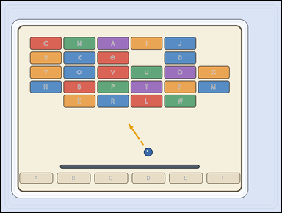 | 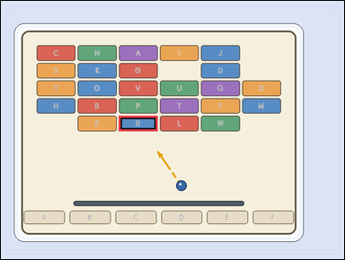 | task_games__brick_breaker__next_hit_label | next_hit_label | brick_breaker | next_hit_label | The image shows a brick-breaker playfield with labeled bricks at the top, a short ball-direction cue, and labeled catch lanes at the bottom. The short dashed arrow shows the ball's current straight direction. Which labeled brick is hit first? Final answer format: set "answer" to the selected brick label as a string. Example JSON: {"answer":"H"} | {"answer": "R"} | The image shows a brick-breaker playfield with labeled bricks at the top, a short ball-direction cue, and labeled catch lanes at the bottom. The short dashed arrow shows the ball's current straight direction. Which labeled brick is hit first? Annotation format: set "annotation" to one bounding box [x0, y0, x1, y1] around the brick hit first after extrapolating the ball direction. Answer format: set "answer" to the selected brick label as a string. Example JSON: {"annotation":[[438,186,514,228]],"answer":"H"} | {"annotation": [[336.667, 329.4, 447.0, 373.0]], "answer": "R"} | string | bbox_set | 90723957875174 | games/brick_breaker/task_games__brick_breaker__next_hit_label/images/next_hit_label/0070.png | games/brick_breaker/task_games__brick_breaker__next_hit_label/data/next_hit_label/0070.json
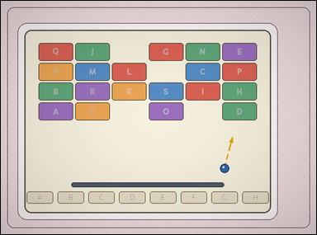 | 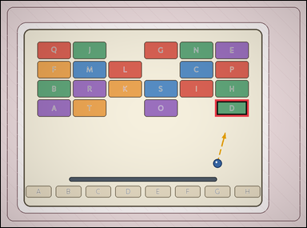 | task_games__brick_breaker__next_hit_label | next_hit_label | brick_breaker | next_hit_label | The visual shows a brick-breaker playfield with labeled bricks at the top, a short ball-direction cue, and labeled catch lanes at the bottom. The short dashed arrow shows the ball's current straight direction. Which labeled brick is hit first? Required answer format: set "answer" to the selected brick label as a string. Example JSON: {"answer":"H"} | {"answer": "D"} | The visual shows a brick-breaker playfield with labeled bricks at the top, a short ball-direction cue, and labeled catch lanes at the bottom. The short dashed arrow shows the ball's current straight direction. Which labeled brick is hit first? Annotation format: set "annotation" to one bounding box [x0, y0, x1, y1] around the brick hit first after extrapolating the ball direction. Answer format: set "answer" to the selected brick label as a string. Example JSON: {"annotation":[[438,186,514,228]],"answer":"H"} | {"annotation": [[687.833, 316.25, 795.0, 371.0]], "answer": "D"} | string | bbox_set | 112839277884983 | games/brick_breaker/task_games__brick_breaker__next_hit_label/images/next_hit_label/0094.png | games/brick_breaker/task_games__brick_breaker__next_hit_label/data/next_hit_label/0094.json
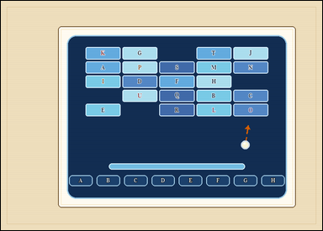 | 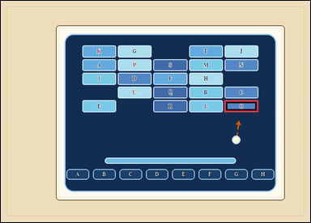 | task_games__brick_breaker__next_hit_label | next_hit_label | brick_breaker | next_hit_label | The visual shows a brick-breaker playfield with labeled bricks at the top, a short ball-direction cue, and labeled catch lanes at the bottom. The short dashed arrow shows the ball's current straight direction. What is the label of the first brick on that line? Answer field: set "answer" to the selected brick label as a string. Example JSON: {"answer":"H"} | {"answer": "O"} | The visual shows a brick-breaker playfield with labeled bricks at the top, a short ball-direction cue, and labeled catch lanes at the bottom. The short dashed arrow shows the ball's current straight direction. What is the label of the first brick on that line? Required annotation format: set "annotation" to one bounding box [x0, y0, x1, y1] around the brick hit first after extrapolating the ball direction. Required answer format: set "answer" to the selected brick label as a string. Example JSON: {"annotation":[[438,186,514,228]],"answer":"H"} | {"annotation": [[548.8, 243.4, 631.0, 272.0]], "answer": "O"} | string | bbox_set | 151566175560732 | games/brick_breaker/task_games__brick_breaker__next_hit_label/images/next_hit_label/0020.png | games/brick_breaker/task_games__brick_breaker__next_hit_label/data/next_hit_label/0020.json
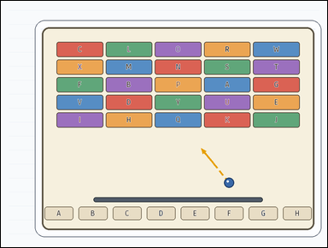 | 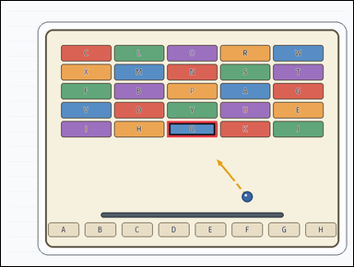 | task_games__brick_breaker__next_hit_label | next_hit_label | brick_breaker | next_hit_label | The image shows a brick-breaker playfield with labeled bricks at the top, a short ball-direction cue, and labeled catch lanes at the bottom. The short dashed arrow shows the ball's current straight direction. Report the label on the first brick the ball would reach if that direction continues. Final answer format: set "answer" to the selected brick label as a string. Example JSON: {"answer":"H"} | {"answer": "Q"} | The image shows a brick-breaker playfield with labeled bricks at the top, a short ball-direction cue, and labeled catch lanes at the bottom. The short dashed arrow shows the ball's current straight direction. Report the label on the first brick the ball would reach if that direction continues. Annotation format: set "annotation" to one bounding box [x0, y0, x1, y1] around the brick hit first after extrapolating the ball direction. Answer format: set "answer" to the selected brick label as a string. Example JSON: {"annotation":[[438,186,514,228]],"answer":"H"} | {"annotation": [[462.2, 335.0, 601.8, 380.0]], "answer": "Q"} | string | bbox_set | 151671605326189 | games/brick_breaker/task_games__brick_breaker__next_hit_label/images/next_hit_label/0028.png | games/brick_breaker/task_games__brick_breaker__next_hit_label/data/next_hit_label/0028.json
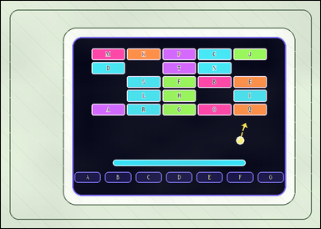 | 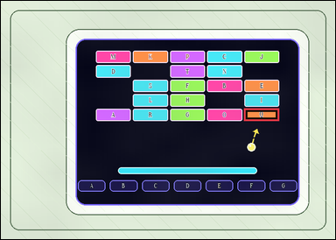 | task_games__brick_breaker__next_hit_label | next_hit_label | brick_breaker | next_hit_label | The figure shows a brick-breaker playfield with labeled bricks at the top, a short ball-direction cue, and labeled catch lanes at the bottom. The short dashed arrow shows the ball's current straight direction. Report the label on the first brick the ball would reach if that direction continues. Format for the "answer" field: set "answer" to the selected brick label as a string. Example JSON: {"answer":"H"} | {"answer": "Q"} | The figure shows a brick-breaker playfield with labeled bricks at the top, a short ball-direction cue, and labeled catch lanes at the bottom. The short dashed arrow shows the ball's current straight direction. Report the label on the first brick the ball would reach if that direction continues. Required annotation format: set "annotation" to one bounding box [x0, y0, x1, y1] around the brick hit first after extrapolating the ball direction. Required answer format: set "answer" to the selected brick label as a string. Example JSON: {"annotation":[[438,186,514,228]],"answer":"H"} | {"annotation": [[527.6, 233.6, 603.0, 260.0]], "answer": "Q"} | string | bbox_set | 153672529124790 | games/brick_breaker/task_games__brick_breaker__next_hit_label/images/next_hit_label/0017.png | games/brick_breaker/task_games__brick_breaker__next_hit_label/data/next_hit_label/0017.json
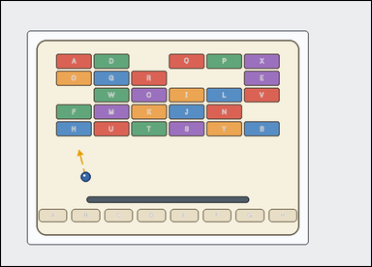 | 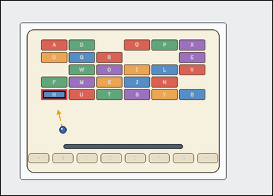 | task_games__brick_breaker__next_hit_label | next_hit_label | brick_breaker | next_hit_label | The scene shows a brick-breaker playfield with labeled bricks at the top, a short ball-direction cue, and labeled catch lanes at the bottom. The short dashed arrow shows the ball's current straight direction. Which labeled brick is hit first? Final answer format: set "answer" to the selected brick label as a string. Example JSON: {"answer":"H"} | {"answer": "H"} | The scene shows a brick-breaker playfield with labeled bricks at the top, a short ball-direction cue, and labeled catch lanes at the bottom. The short dashed arrow shows the ball's current straight direction. Which labeled brick is hit first? Final answer format: set "answer" to the selected brick label as a string. Annotation format: set "annotation" to one bounding box [x0, y0, x1, y1] around the brick hit first after extrapolating the ball direction. Example JSON: {"annotation":[[438,186,514,228]],"answer":"H"} | {"annotation": [[123.0, 269.2, 202.0, 302.0]], "answer": "H"} | string | bbox_set | 171894551659854 | games/brick_breaker/task_games__brick_breaker__next_hit_label/images/next_hit_label/0005.png | games/brick_breaker/task_games__brick_breaker__next_hit_label/data/next_hit_label/0005.json
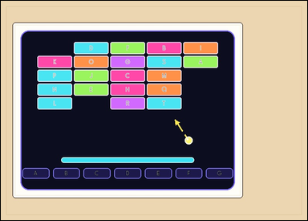 | 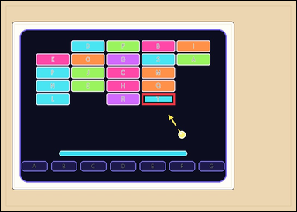 | task_games__brick_breaker__next_hit_label | next_hit_label | brick_breaker | next_hit_label | The figure shows a brick-breaker playfield with labeled bricks at the top, a short ball-direction cue, and labeled catch lanes at the bottom. The short dashed arrow shows the ball's current straight direction. Which labeled brick is hit first? Answer format: set "answer" to the selected brick label as a string. Example JSON: {"answer":"H"} | {"answer": "T"} | The figure shows a brick-breaker playfield with labeled bricks at the top, a short ball-direction cue, and labeled catch lanes at the bottom. The short dashed arrow shows the ball's current straight direction. Which labeled brick is hit first? Annotation format: set "annotation" to one bounding box [x0, y0, x1, y1] around the brick hit first after extrapolating the ball direction. Answer format: set "answer" to the selected brick label as a string. Example JSON: {"annotation":[[438,186,514,228]],"answer":"H"} | {"annotation": [[380.0, 251.0, 470.0, 282.0]], "answer": "T"} | string | bbox_set | 477153391305336 | games/brick_breaker/task_games__brick_breaker__next_hit_label/images/next_hit_label/0001.png | games/brick_breaker/task_games__brick_breaker__next_hit_label/data/next_hit_label/0001.json
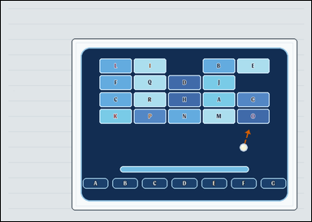 | 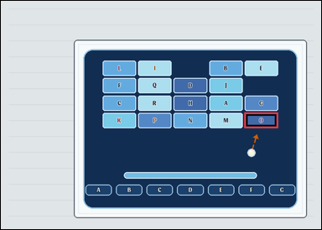 | task_games__brick_breaker__next_hit_label | next_hit_label | brick_breaker | next_hit_label | This scene shows a brick-breaker playfield with labeled bricks at the top, a short ball-direction cue, and labeled catch lanes at the bottom. The short dashed arrow shows the ball's current straight direction. Which labeled brick is hit first? Required answer format: set "answer" to the selected brick label as a string. Example JSON: {"answer":"H"} | {"answer": "O"} | This scene shows a brick-breaker playfield with labeled bricks at the top, a short ball-direction cue, and labeled catch lanes at the bottom. The short dashed arrow shows the ball's current straight direction. Which labeled brick is hit first? Final answer format: set "answer" to the selected brick label as a string. Annotation format: set "annotation" to one bounding box [x0, y0, x1, y1] around the brick hit first after extrapolating the ball direction. Example JSON: {"annotation":[[438,186,514,228]],"answer":"H"} | {"annotation": [[550.8, 252.75, 626.0, 287.0]], "answer": "O"} | string | bbox_set | 737862931034667 | games/brick_breaker/task_games__brick_breaker__next_hit_label/images/next_hit_label/0000.png | games/brick_breaker/task_games__brick_breaker__next_hit_label/data/next_hit_label/0000.json
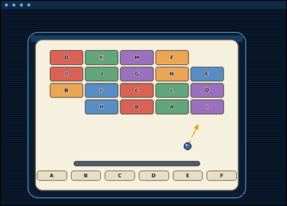 | 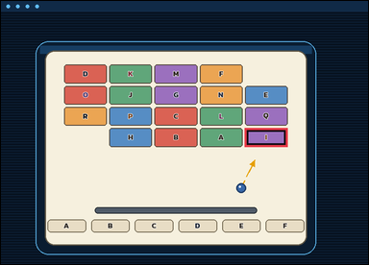 | task_games__brick_breaker__next_hit_label | next_hit_label | brick_breaker | next_hit_label | The figure shows a brick-breaker playfield with labeled bricks at the top, a short ball-direction cue, and labeled catch lanes at the bottom. The short dashed arrow shows the ball's current straight direction. Report the label on the first brick the ball would reach if that direction continues. Format for the "answer" field: set "answer" to the selected brick label as a string. Example JSON: {"answer":"H"} | {"answer": "I"} | The figure shows a brick-breaker playfield with labeled bricks at the top, a short ball-direction cue, and labeled catch lanes at the bottom. The short dashed arrow shows the ball's current straight direction. Report the label on the first brick the ball would reach if that direction continues. Annotation format: set "annotation" to one bounding box [x0, y0, x1, y1] around the brick hit first after extrapolating the ball direction. Answer format: set "answer" to the selected brick label as a string. Example JSON: {"annotation":[[438,186,514,228]],"answer":"H"} | {"annotation": [[556.8, 290.5, 654.0, 333.0]], "answer": "I"} | string | bbox_set | 779668056252612 | games/brick_breaker/task_games__brick_breaker__next_hit_label/images/next_hit_label/0040.png | games/brick_breaker/task_games__brick_breaker__next_hit_label/data/next_hit_label/0040.json
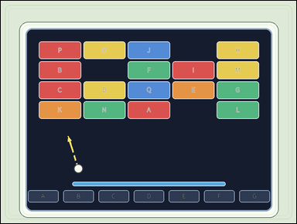 | 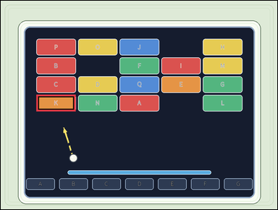 | task_games__brick_breaker__next_hit_label | next_hit_label | brick_breaker | next_hit_label | The image shows a brick-breaker playfield with labeled bricks at the top, a short ball-direction cue, and labeled catch lanes at the bottom. The short dashed arrow shows the ball's current straight direction. What is the label of the first brick on that line? Answer field: set "answer" to the selected brick label as a string. Example JSON: {"answer":"H"} | {"answer": "K"} | The image shows a brick-breaker playfield with labeled bricks at the top, a short ball-direction cue, and labeled catch lanes at the bottom. The short dashed arrow shows the ball's current straight direction. What is the label of the first brick on that line? Annotation format: set "annotation" to one bounding box [x0, y0, x1, y1] around the brick hit first after extrapolating the ball direction. Answer format: set "answer" to the selected brick label as a string. Example JSON: {"annotation":[[438,186,514,228]],"answer":"H"} | {"annotation": [[126.0, 333.75, 265.6, 392.0]], "answer": "K"} | string | bbox_set | 842305763289313 | games/brick_breaker/task_games__brick_breaker__next_hit_label/images/next_hit_label/0037.png | games/brick_breaker/task_games__brick_breaker__next_hit_label/data/next_hit_label/0037.json
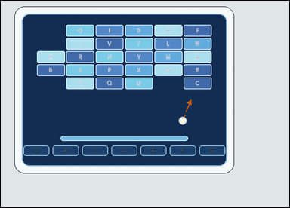 | 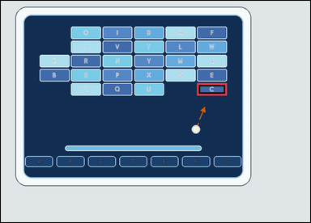 | task_games__brick_breaker__next_hit_label | next_hit_label | brick_breaker | next_hit_label | The image shows a brick-breaker playfield with labeled bricks at the top, a short ball-direction cue, and labeled catch lanes at the bottom. The short dashed arrow shows the ball's current straight direction. Which labeled brick will the ball hit first? Required answer format: set "answer" to the selected brick label as a string. Example JSON: {"answer":"H"} | {"answer": "C"} | The image shows a brick-breaker playfield with labeled bricks at the top, a short ball-direction cue, and labeled catch lanes at the bottom. The short dashed arrow shows the ball's current straight direction. Which labeled brick will the ball hit first? Final answer format: set "answer" to the selected brick label as a string. Annotation format: set "annotation" to one bounding box [x0, y0, x1, y1] around the brick hit first after extrapolating the ball direction. Example JSON: {"annotation":[[438,186,514,228]],"answer":"H"} | {"annotation": [[526.5, 221.0, 606.0, 254.0]], "answer": "C"} | string | bbox_set | 1.0072555263E+15 | games/brick_breaker/task_games__brick_breaker__next_hit_label/images/next_hit_label/0012.png | games/brick_breaker/task_games__brick_breaker__next_hit_label/data/next_hit_label/0012.json
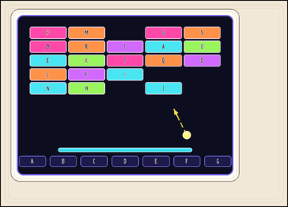 | 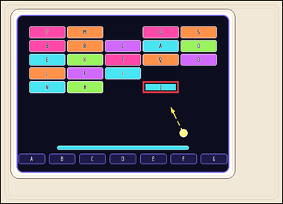 | task_games__brick_breaker__next_hit_label | next_hit_label | brick_breaker | next_hit_label | This scene shows a brick-breaker playfield with labeled bricks at the top, a short ball-direction cue, and labeled catch lanes at the bottom. The short dashed arrow shows the ball's current straight direction. What is the label of the first brick on that line? Answer field: set "answer" to the selected brick label as a string. Example JSON: {"answer":"H"} | {"answer": "J"} | This scene shows a brick-breaker playfield with labeled bricks at the top, a short ball-direction cue, and labeled catch lanes at the bottom. The short dashed arrow shows the ball's current straight direction. What is the label of the first brick on that line? Annotation format: set "annotation" to one bounding box [x0, y0, x1, y1] around the brick hit first after extrapolating the ball direction. Answer format: set "answer" to the selected brick label as a string. Example JSON: {"annotation":[[438,186,514,228]],"answer":"H"} | {"annotation": [[494.4, 280.2, 619.2, 321.0]], "answer": "J"} | string | bbox_set | 1.0587821344E+15 | games/brick_breaker/task_games__brick_breaker__next_hit_label/images/next_hit_label/0066.png | games/brick_breaker/task_games__brick_breaker__next_hit_label/data/next_hit_label/0066.json
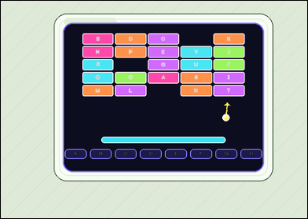 |  | task_games__brick_breaker__next_hit_label | next_hit_label | brick_breaker | next_hit_label | This scene shows a brick-breaker playfield with labeled bricks at the top, a short ball-direction cue, and labeled catch lanes at the bottom. The short dashed arrow shows the ball's current straight direction. Report the label on the first brick the ball would reach if that direction continues. Answer format: set "answer" to the selected brick label as a string. Example JSON: {"answer":"H"} | {"answer": "T"} | This scene shows a brick-breaker playfield with labeled bricks at the top, a short ball-direction cue, and labeled catch lanes at the bottom. The short dashed arrow shows the ball's current straight direction. Report the label on the first brick the ball would reach if that direction continues. Required annotation format: set "annotation" to one bounding box [x0, y0, x1, y1] around the brick hit first after extrapolating the ball direction. Required answer format: set "answer" to the selected brick label as a string. Example JSON: {"annotation":[[438,186,514,228]],"answer":"H"} | {"annotation": [[482.6, 191.6, 553.0, 217.0]], "answer": "T"} | string | bbox_set | 1.2045231477E+15 | games/brick_breaker/task_games__brick_breaker__next_hit_label/images/next_hit_label/0031.png | games/brick_breaker/task_games__brick_breaker__next_hit_label/data/next_hit_label/0031.json
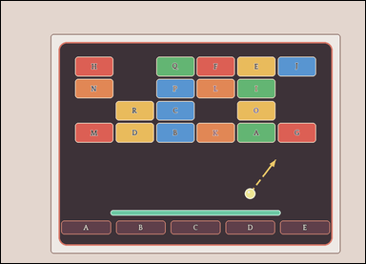 | 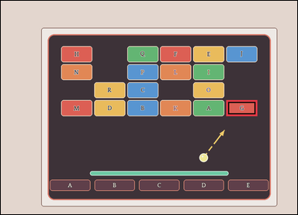 | task_games__brick_breaker__next_hit_label | next_hit_label | brick_breaker | next_hit_label | The visual shows a brick-breaker playfield with labeled bricks at the top, a short ball-direction cue, and labeled catch lanes at the bottom. The short dashed arrow shows the ball's current straight direction. Extend that direction and identify the labeled brick reached before any other brick. Answer field: set "answer" to the selected brick label as a string. Example JSON: {"answer":"H"} | {"answer": "G"} | The visual shows a brick-breaker playfield with labeled bricks at the top, a short ball-direction cue, and labeled catch lanes at the bottom. The short dashed arrow shows the ball's current straight direction. Extend that direction and identify the labeled brick reached before any other brick. Annotation format: set "annotation" to one bounding box [x0, y0, x1, y1] around the brick hit first after extrapolating the ball direction. Answer format: set "answer" to the selected brick label as a string. Example JSON: {"annotation":[[438,186,514,228]],"answer":"H"} | {"annotation": [[736.167, 324.25, 837.0, 376.0]], "answer": "G"} | string | bbox_set | 1.2104728121E+15 | games/brick_breaker/task_games__brick_breaker__next_hit_label/images/next_hit_label/0067.png | games/brick_breaker/task_games__brick_breaker__next_hit_label/data/next_hit_label/0067.json
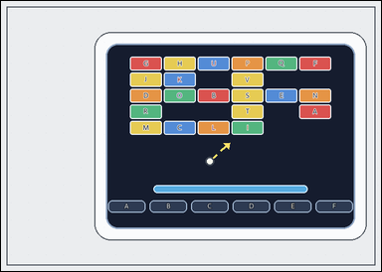 | 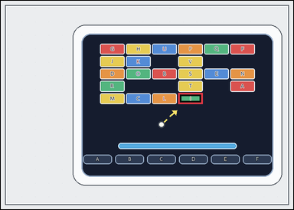 | task_games__brick_breaker__next_hit_label | next_hit_label | brick_breaker | next_hit_label | This scene shows a brick-breaker playfield with labeled bricks at the top, a short ball-direction cue, and labeled catch lanes at the bottom. The short dashed arrow shows the ball's current straight direction. What is the label of the first brick on that line? Answer format: set "answer" to the selected brick label as a string. Example JSON: {"answer":"H"} | {"answer": "I"} | This scene shows a brick-breaker playfield with labeled bricks at the top, a short ball-direction cue, and labeled catch lanes at the bottom. The short dashed arrow shows the ball's current straight direction. What is the label of the first brick on that line? Annotation format: set "annotation" to one bounding box [x0, y0, x1, y1] around the brick hit first after extrapolating the ball direction. Answer format: set "answer" to the selected brick label as a string. Example JSON: {"annotation":[[438,186,514,228]],"answer":"H"} | {"annotation": [[422.0, 219.6, 480.0, 245.0]], "answer": "I"} | string | bbox_set | 1.2146831345E+15 | games/brick_breaker/task_games__brick_breaker__next_hit_label/images/next_hit_label/0015.png | games/brick_breaker/task_games__brick_breaker__next_hit_label/data/next_hit_label/0015.json
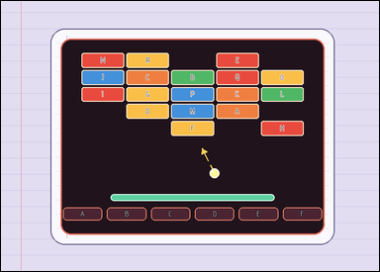 |  | task_games__brick_breaker__next_hit_label | next_hit_label | brick_breaker | next_hit_label | The visual shows a brick-breaker playfield with labeled bricks at the top, a short ball-direction cue, and labeled catch lanes at the bottom. The short dashed arrow shows the ball's current straight direction. What is the label of the first brick on that line? Final answer format: set "answer" to the selected brick label as a string. Example JSON: {"answer":"H"} | {"answer": "F"} | The visual shows a brick-breaker playfield with labeled bricks at the top, a short ball-direction cue, and labeled catch lanes at the bottom. The short dashed arrow shows the ball's current straight direction. What is the label of the first brick on that line? Annotation format: set "annotation" to one bounding box [x0, y0, x1, y1] around the brick hit first after extrapolating the ball direction. Answer format: set "answer" to the selected brick label as a string. Example JSON: {"annotation":[[438,186,514,228]],"answer":"H"} | {"annotation": [[357.4, 252.2, 446.6, 283.0]], "answer": "F"} | string | bbox_set | 1.3217148033E+15 | games/brick_breaker/task_games__brick_breaker__next_hit_label/images/next_hit_label/0058.png | games/brick_breaker/task_games__brick_breaker__next_hit_label/data/next_hit_label/0058.json
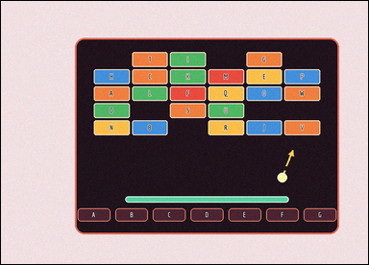 | 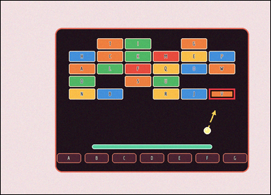 | task_games__brick_breaker__next_hit_label | next_hit_label | brick_breaker | next_hit_label | The visual shows a brick-breaker playfield with labeled bricks at the top, a short ball-direction cue, and labeled catch lanes at the bottom. The short dashed arrow shows the ball's current straight direction. Which labeled brick will the ball hit first? Format for the "answer" field: set "answer" to the selected brick label as a string. Example JSON: {"answer":"H"} | {"answer": "V"} | The visual shows a brick-breaker playfield with labeled bricks at the top, a short ball-direction cue, and labeled catch lanes at the bottom. The short dashed arrow shows the ball's current straight direction. Which labeled brick will the ball hit first? Final answer format: set "answer" to the selected brick label as a string. Annotation format: set "annotation" to one bounding box [x0, y0, x1, y1] around the brick hit first after extrapolating the ball direction. Example JSON: {"annotation":[[438,186,514,228]],"answer":"H"} | {"annotation": [[659.333, 278.2, 742.0, 312.0]], "answer": "V"} | string | bbox_set | 1.4008550902E+15 | games/brick_breaker/task_games__brick_breaker__next_hit_label/images/next_hit_label/0027.png | games/brick_breaker/task_games__brick_breaker__next_hit_label/data/next_hit_label/0027.json
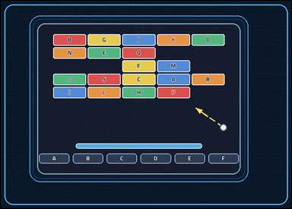 | 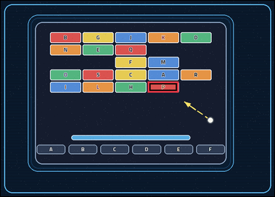 | task_games__brick_breaker__next_hit_label | next_hit_label | brick_breaker | next_hit_label | The figure shows a brick-breaker playfield with labeled bricks at the top, a short ball-direction cue, and labeled catch lanes at the bottom. The short dashed arrow shows the ball's current straight direction. Which labeled brick is hit first? Answer field: set "answer" to the selected brick label as a string. Example JSON: {"answer":"H"} | {"answer": "P"} | The figure shows a brick-breaker playfield with labeled bricks at the top, a short ball-direction cue, and labeled catch lanes at the bottom. The short dashed arrow shows the ball's current straight direction. Which labeled brick is hit first? Final answer format: set "answer" to the selected brick label as a string. Annotation format: set "annotation" to one bounding box [x0, y0, x1, y1] around the brick hit first after extrapolating the ball direction. Example JSON: {"annotation":[[438,186,514,228]],"answer":"H"} | {"annotation": [[429.6, 236.8, 519.8, 268.0]], "answer": "P"} | string | bbox_set | 1.7804614534E+15 | games/brick_breaker/task_games__brick_breaker__next_hit_label/images/next_hit_label/0022.png | games/brick_breaker/task_games__brick_breaker__next_hit_label/data/next_hit_label/0022.json
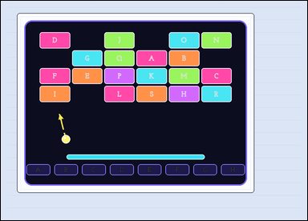 | 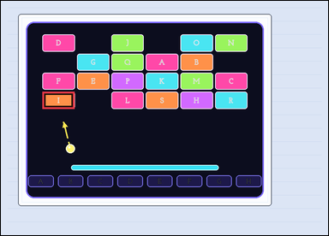 | task_games__brick_breaker__next_hit_label | next_hit_label | brick_breaker | next_hit_label | The figure shows a brick-breaker playfield with labeled bricks at the top, a short ball-direction cue, and labeled catch lanes at the bottom. The short dashed arrow shows the ball's current straight direction. Which labeled brick is hit first? Final answer format: set "answer" to the selected brick label as a string. Example JSON: {"answer":"H"} | {"answer": "I"} | The figure shows a brick-breaker playfield with labeled bricks at the top, a short ball-direction cue, and labeled catch lanes at the bottom. The short dashed arrow shows the ball's current straight direction. Which labeled brick is hit first? Required annotation format: set "annotation" to one bounding box [x0, y0, x1, y1] around the brick hit first after extrapolating the ball direction. Required answer format: set "answer" to the selected brick label as a string. Example JSON: {"annotation":[[438,186,514,228]],"answer":"H"} | {"annotation": [[111.0, 244.5, 197.5, 290.0]], "answer": "I"} | string | bbox_set | 1.8799122117E+15 | games/brick_breaker/task_games__brick_breaker__next_hit_label/images/next_hit_label/0093.png | games/brick_breaker/task_games__brick_breaker__next_hit_label/data/next_hit_label/0093.json
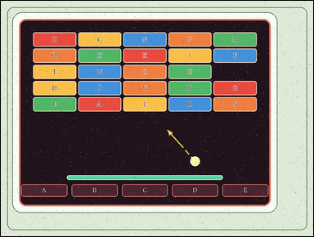 | 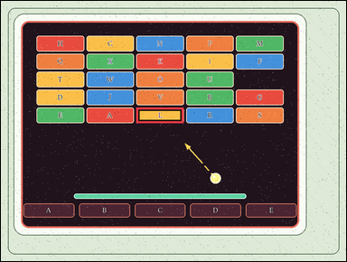 | task_games__brick_breaker__next_hit_label | next_hit_label | brick_breaker | next_hit_label | The figure shows a brick-breaker playfield with labeled bricks at the top, a short ball-direction cue, and labeled catch lanes at the bottom. The short dashed arrow shows the ball's current straight direction. Extend that direction and identify the labeled brick reached before any other brick. Final answer format: set "answer" to the selected brick label as a string. Example JSON: {"answer":"H"} | {"answer": "L"} | The figure shows a brick-breaker playfield with labeled bricks at the top, a short ball-direction cue, and labeled catch lanes at the bottom. The short dashed arrow shows the ball's current straight direction. Extend that direction and identify the labeled brick reached before any other brick. Required annotation format: set "annotation" to one bounding box [x0, y0, x1, y1] around the brick hit first after extrapolating the ball direction. Required answer format: set "answer" to the selected brick label as a string. Example JSON: {"annotation":[[438,186,514,228]],"answer":"H"} | {"annotation": [[384.2, 303.0, 518.8, 347.0]], "answer": "L"} | string | bbox_set | 2.0806975378E+15 | games/brick_breaker/task_games__brick_breaker__next_hit_label/images/next_hit_label/0036.png | games/brick_breaker/task_games__brick_breaker__next_hit_label/data/next_hit_label/0036.json
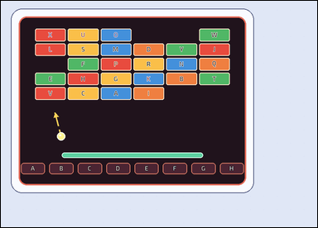 | 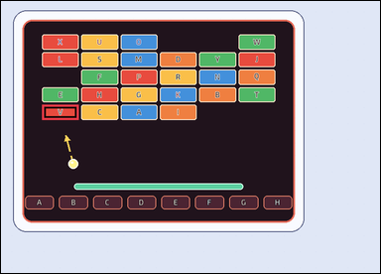 | task_games__brick_breaker__next_hit_label | next_hit_label | brick_breaker | next_hit_label | The figure shows a brick-breaker playfield with labeled bricks at the top, a short ball-direction cue, and labeled catch lanes at the bottom. The short dashed arrow shows the ball's current straight direction. What is the label of the first brick on that line? Required answer format: set "answer" to the selected brick label as a string. Example JSON: {"answer":"H"} | {"answer": "V"} | The figure shows a brick-breaker playfield with labeled bricks at the top, a short ball-direction cue, and labeled catch lanes at the bottom. The short dashed arrow shows the ball's current straight direction. What is the label of the first brick on that line? Annotation format: set "annotation" to one bounding box [x0, y0, x1, y1] around the brick hit first after extrapolating the ball direction. Answer format: set "answer" to the selected brick label as a string. Example JSON: {"annotation":[[438,186,514,228]],"answer":"H"} | {"annotation": [[92.0, 233.4, 174.333, 267.0]], "answer": "V"} | string | bbox_set | 2.0938677391E+15 | games/brick_breaker/task_games__brick_breaker__next_hit_label/images/next_hit_label/0002.png | games/brick_breaker/task_games__brick_breaker__next_hit_label/data/next_hit_label/0002.json
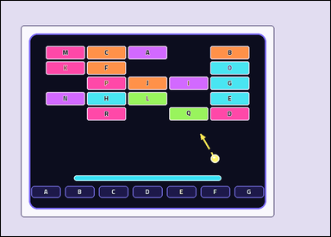 | 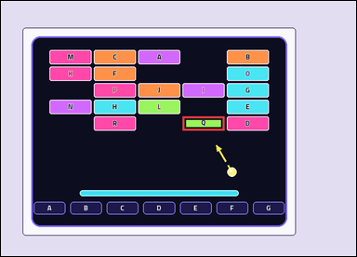 | task_games__brick_breaker__next_hit_label | next_hit_label | brick_breaker | next_hit_label | The visual shows a brick-breaker playfield with labeled bricks at the top, a short ball-direction cue, and labeled catch lanes at the bottom. The short dashed arrow shows the ball's current straight direction. What is the label of the first brick on that line? Final answer format: set "answer" to the selected brick label as a string. Example JSON: {"answer":"H"} | {"answer": "Q"} | The visual shows a brick-breaker playfield with labeled bricks at the top, a short ball-direction cue, and labeled catch lanes at the bottom. The short dashed arrow shows the ball's current straight direction. What is the label of the first brick on that line? Annotation format: set "annotation" to one bounding box [x0, y0, x1, y1] around the brick hit first after extrapolating the ball direction. Answer format: set "answer" to the selected brick label as a string. Example JSON: {"annotation":[[438,186,514,228]],"answer":"H"} | {"annotation": [[438.0, 278.0, 539.0, 312.0]], "answer": "Q"} | string | bbox_set | 2.2085971985E+15 | games/brick_breaker/task_games__brick_breaker__next_hit_label/images/next_hit_label/0010.png | games/brick_breaker/task_games__brick_breaker__next_hit_label/data/next_hit_label/0010.json
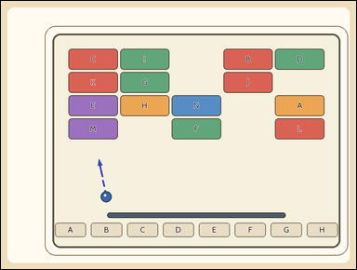 | 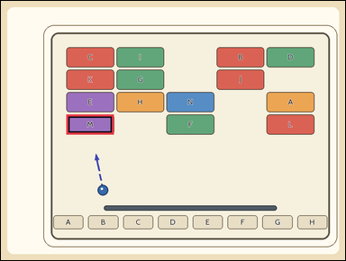 | task_games__brick_breaker__next_hit_label | next_hit_label | brick_breaker | next_hit_label | The visual shows a brick-breaker playfield with labeled bricks at the top, a short ball-direction cue, and labeled catch lanes at the bottom. The short dashed arrow shows the ball's current straight direction. Which labeled brick will the ball hit first? Answer format: set "answer" to the selected brick label as a string. Example JSON: {"answer":"H"} | {"answer": "M"} | The visual shows a brick-breaker playfield with labeled bricks at the top, a short ball-direction cue, and labeled catch lanes at the bottom. The short dashed arrow shows the ball's current straight direction. Which labeled brick will the ball hit first? Required annotation format: set "annotation" to one bounding box [x0, y0, x1, y1] around the brick hit first after extrapolating the ball direction. Required answer format: set "answer" to the selected brick label as a string. Example JSON: {"annotation":[[438,186,514,228]],"answer":"H"} | {"annotation": [[186.0, 324.0, 321.6, 381.0]], "answer": "M"} | string | bbox_set | 2.4175344539E+15 | games/brick_breaker/task_games__brick_breaker__next_hit_label/images/next_hit_label/0039.png | games/brick_breaker/task_games__brick_breaker__next_hit_label/data/next_hit_label/0039.json
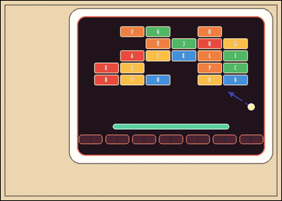 | 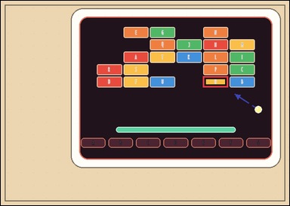 | task_games__brick_breaker__next_hit_label | next_hit_label | brick_breaker | next_hit_label | The scene shows a brick-breaker playfield with labeled bricks at the top, a short ball-direction cue, and labeled catch lanes at the bottom. The short dashed arrow shows the ball's current straight direction. Which labeled brick will the ball hit first? Required answer format: set "answer" to the selected brick label as a string. Example JSON: {"answer":"H"} | {"answer": "O"} | The scene shows a brick-breaker playfield with labeled bricks at the top, a short ball-direction cue, and labeled catch lanes at the bottom. The short dashed arrow shows the ball's current straight direction. Which labeled brick will the ball hit first? Required annotation format: set "annotation" to one bounding box [x0, y0, x1, y1] around the brick hit first after extrapolating the ball direction. Required answer format: set "answer" to the selected brick label as a string. Example JSON: {"annotation":[[438,186,514,228]],"answer":"H"} | {"annotation": [[507.667, 190.8, 570.333, 218.0]], "answer": "O"} | string | bbox_set | 2.5147279381E+15 | games/brick_breaker/task_games__brick_breaker__next_hit_label/images/next_hit_label/0013.png | games/brick_breaker/task_games__brick_breaker__next_hit_label/data/next_hit_label/0013.json
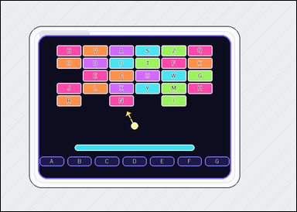 |  | task_games__brick_breaker__next_hit_label | next_hit_label | brick_breaker | next_hit_label | The figure shows a brick-breaker playfield with labeled bricks at the top, a short ball-direction cue, and labeled catch lanes at the bottom. The short dashed arrow shows the ball's current straight direction. Report the label on the first brick the ball would reach if that direction continues. Required answer format: set "answer" to the selected brick label as a string. Example JSON: {"answer":"H"} | {"answer": "N"} | The figure shows a brick-breaker playfield with labeled bricks at the top, a short ball-direction cue, and labeled catch lanes at the bottom. The short dashed arrow shows the ball's current straight direction. Report the label on the first brick the ball would reach if that direction continues. Required annotation format: set "annotation" to one bounding box [x0, y0, x1, y1] around the brick hit first after extrapolating the ball direction. Required answer format: set "answer" to the selected brick label as a string. Example JSON: {"annotation":[[438,186,514,228]],"answer":"H"} | {"annotation": [[253.667, 220.8, 311.0, 246.0]], "answer": "N"} | string | bbox_set | 2.6122521151E+15 | games/brick_breaker/task_games__brick_breaker__next_hit_label/images/next_hit_label/0077.png | games/brick_breaker/task_games__brick_breaker__next_hit_label/data/next_hit_label/0077.json
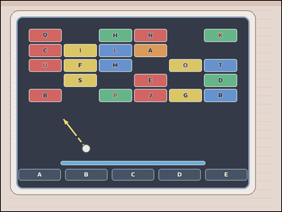 |  | task_games__brick_breaker__next_hit_label | next_hit_label | brick_breaker | next_hit_label | The scene shows a brick-breaker playfield with labeled bricks at the top, a short ball-direction cue, and labeled catch lanes at the bottom. The short dashed arrow shows the ball's current straight direction. Extend that direction and identify the labeled brick reached before any other brick. Final answer format: set "answer" to the selected brick label as a string. Example JSON: {"answer":"H"} | {"answer": "B"} | The scene shows a brick-breaker playfield with labeled bricks at the top, a short ball-direction cue, and labeled catch lanes at the bottom. The short dashed arrow shows the ball's current straight direction. Extend that direction and identify the labeled brick reached before any other brick. Required annotation format: set "annotation" to one bounding box [x0, y0, x1, y1] around the brick hit first after extrapolating the ball direction. Required answer format: set "answer" to the selected brick label as a string. Example JSON: {"annotation":[[438,186,514,228]],"answer":"H"} | {"annotation": [[98.0, 310.2, 212.5, 355.0]], "answer": "B"} | string | bbox_set | 2.6670143702E+15 | games/brick_breaker/task_games__brick_breaker__next_hit_label/images/next_hit_label/0035.png | games/brick_breaker/task_games__brick_breaker__next_hit_label/data/next_hit_label/0035.json
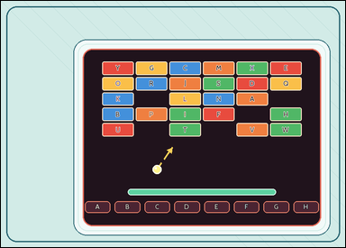 |  | task_games__brick_breaker__next_hit_label | next_hit_label | brick_breaker | next_hit_label | The figure shows a brick-breaker playfield with labeled bricks at the top, a short ball-direction cue, and labeled catch lanes at the bottom. The short dashed arrow shows the ball's current straight direction. Which labeled brick is hit first? Answer field: set "answer" to the selected brick label as a string. Example JSON: {"answer":"H"} | {"answer": "T"} | The figure shows a brick-breaker playfield with labeled bricks at the top, a short ball-direction cue, and labeled catch lanes at the bottom. The short dashed arrow shows the ball's current straight direction. Which labeled brick is hit first? Required annotation format: set "annotation" to one bounding box [x0, y0, x1, y1] around the brick hit first after extrapolating the ball direction. Required answer format: set "answer" to the selected brick label as a string. Example JSON: {"annotation":[[438,186,514,228]],"answer":"H"} | {"annotation": [[381.0, 276.2, 452.0, 306.0]], "answer": "T"} | string | bbox_set | 2.8447198203E+15 | games/brick_breaker/task_games__brick_breaker__next_hit_label/images/next_hit_label/0009.png | games/brick_breaker/task_games__brick_breaker__next_hit_label/data/next_hit_label/0009.json
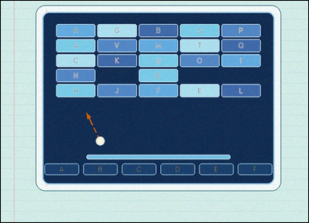 |  | task_games__brick_breaker__next_hit_label | next_hit_label | brick_breaker | next_hit_label | This scene shows a brick-breaker playfield with labeled bricks at the top, a short ball-direction cue, and labeled catch lanes at the bottom. The short dashed arrow shows the ball's current straight direction. Extend that direction and identify the labeled brick reached before any other brick. Required answer format: set "answer" to the selected brick label as a string. Example JSON: {"answer":"H"} | {"answer": "H"} | This scene shows a brick-breaker playfield with labeled bricks at the top, a short ball-direction cue, and labeled catch lanes at the bottom. The short dashed arrow shows the ball's current straight direction. Extend that direction and identify the labeled brick reached before any other brick. Final answer format: set "answer" to the selected brick label as a string. Annotation format: set "annotation" to one bounding box [x0, y0, x1, y1] around the brick hit first after extrapolating the ball direction. Example JSON: {"annotation":[[438,186,514,228]],"answer":"H"} | {"annotation": [[176.0, 265.2, 300.4, 306.0]], "answer": "H"} | string | bbox_set | 2.8761874696E+15 | games/brick_breaker/task_games__brick_breaker__next_hit_label/images/next_hit_label/0008.png | games/brick_breaker/task_games__brick_breaker__next_hit_label/data/next_hit_label/0008.json
 |  | task_games__brick_breaker__next_hit_label | next_hit_label | brick_breaker | next_hit_label | The figure shows a brick-breaker playfield with labeled bricks at the top, a short ball-direction cue, and labeled catch lanes at the bottom. The short dashed arrow shows the ball's current straight direction. Extend that direction and identify the labeled brick reached before any other brick. Answer field: set "answer" to the selected brick label as a string. Example JSON: {"answer":"H"} | {"answer": "K"} | The figure shows a brick-breaker playfield with labeled bricks at the top, a short ball-direction cue, and labeled catch lanes at the bottom. The short dashed arrow shows the ball's current straight direction. Extend that direction and identify the labeled brick reached before any other brick. Annotation format: set "annotation" to one bounding box [x0, y0, x1, y1] around the brick hit first after extrapolating the ball direction. Answer format: set "answer" to the selected brick label as a string. Example JSON: {"annotation":[[438,186,514,228]],"answer":"H"} | {"annotation": [[232.4, 206.0, 300.8, 238.0]], "answer": "K"} | string | bbox_set | 2.9717088003E+15 | games/brick_breaker/task_games__brick_breaker__next_hit_label/images/next_hit_label/0096.png | games/brick_breaker/task_games__brick_breaker__next_hit_label/data/next_hit_label/0096.json
 |  | task_games__brick_breaker__next_hit_label | next_hit_label | brick_breaker | next_hit_label | The image shows a brick-breaker playfield with labeled bricks at the top, a short ball-direction cue, and labeled catch lanes at the bottom. The short dashed arrow shows the ball's current straight direction. Which labeled brick is hit first? Answer format: set "answer" to the selected brick label as a string. Example JSON: {"answer":"H"} | {"answer": "K"} | The image shows a brick-breaker playfield with labeled bricks at the top, a short ball-direction cue, and labeled catch lanes at the bottom. The short dashed arrow shows the ball's current straight direction. Which labeled brick is hit first? Required annotation format: set "annotation" to one bounding box [x0, y0, x1, y1] around the brick hit first after extrapolating the ball direction. Required answer format: set "answer" to the selected brick label as a string. Example JSON: {"annotation":[[438,186,514,228]],"answer":"H"} | {"annotation": [[734.5, 293.4, 854.0, 340.0]], "answer": "K"} | string | bbox_set | 3.1322916924E+15 | games/brick_breaker/task_games__brick_breaker__next_hit_label/images/next_hit_label/0053.png | games/brick_breaker/task_games__brick_breaker__next_hit_label/data/next_hit_label/0053.json
 |  | task_games__brick_breaker__next_hit_label | next_hit_label | brick_breaker | next_hit_label | The scene shows a brick-breaker playfield with labeled bricks at the top, a short ball-direction cue, and labeled catch lanes at the bottom. The short dashed arrow shows the ball's current straight direction. Report the label on the first brick the ball would reach if that direction continues. Required answer format: set "answer" to the selected brick label as a string. Example JSON: {"answer":"H"} | {"answer": "J"} | The scene shows a brick-breaker playfield with labeled bricks at the top, a short ball-direction cue, and labeled catch lanes at the bottom. The short dashed arrow shows the ball's current straight direction. Report the label on the first brick the ball would reach if that direction continues. Required annotation format: set "annotation" to one bounding box [x0, y0, x1, y1] around the brick hit first after extrapolating the ball direction. Required answer format: set "answer" to the selected brick label as a string. Example JSON: {"annotation":[[438,186,514,228]],"answer":"H"} | {"annotation": [[423.0, 289.25, 510.333, 335.0]], "answer": "J"} | string | bbox_set | 3.2763803799E+15 | games/brick_breaker/task_games__brick_breaker__next_hit_label/images/next_hit_label/0062.png | games/brick_breaker/task_games__brick_breaker__next_hit_label/data/next_hit_label/0062.json
 |  | task_games__brick_breaker__next_hit_label | next_hit_label | brick_breaker | next_hit_label | The image shows a brick-breaker playfield with labeled bricks at the top, a short ball-direction cue, and labeled catch lanes at the bottom. The short dashed arrow shows the ball's current straight direction. Extend that direction and identify the labeled brick reached before any other brick. Required answer format: set "answer" to the selected brick label as a string. Example JSON: {"answer":"H"} | {"answer": "G"} | The image shows a brick-breaker playfield with labeled bricks at the top, a short ball-direction cue, and labeled catch lanes at the bottom. The short dashed arrow shows the ball's current straight direction. Extend that direction and identify the labeled brick reached before any other brick. Annotation format: set "annotation" to one bounding box [x0, y0, x1, y1] around the brick hit first after extrapolating the ball direction. Answer format: set "answer" to the selected brick label as a string. Example JSON: {"annotation":[[438,186,514,228]],"answer":"H"} | {"annotation": [[756.2, 310.25, 881.0, 363.0]], "answer": "G"} | string | bbox_set | 3.3469005316E+15 | games/brick_breaker/task_games__brick_breaker__next_hit_label/images/next_hit_label/0026.png | games/brick_breaker/task_games__brick_breaker__next_hit_label/data/next_hit_label/0026.json
 |  | task_games__brick_breaker__next_hit_label | next_hit_label | brick_breaker | next_hit_label | The image shows a brick-breaker playfield with labeled bricks at the top, a short ball-direction cue, and labeled catch lanes at the bottom. The short dashed arrow shows the ball's current straight direction. Which labeled brick will the ball hit first? Final answer format: set "answer" to the selected brick label as a string. Example JSON: {"answer":"H"} | {"answer": "F"} | The image shows a brick-breaker playfield with labeled bricks at the top, a short ball-direction cue, and labeled catch lanes at the bottom. The short dashed arrow shows the ball's current straight direction. Which labeled brick will the ball hit first? Annotation format: set "annotation" to one bounding box [x0, y0, x1, y1] around the brick hit first after extrapolating the ball direction. Answer format: set "answer" to the selected brick label as a string. Example JSON: {"annotation":[[438,186,514,228]],"answer":"H"} | {"annotation": [[326.333, 281.5, 428.667, 334.0]], "answer": "F"} | string | bbox_set | 3.4727637187E+15 | games/brick_breaker/task_games__brick_breaker__next_hit_label/images/next_hit_label/0082.png | games/brick_breaker/task_games__brick_breaker__next_hit_label/data/next_hit_label/0082.json
 |  | task_games__brick_breaker__next_hit_label | next_hit_label | brick_breaker | next_hit_label | The image shows a brick-breaker playfield with labeled bricks at the top, a short ball-direction cue, and labeled catch lanes at the bottom. The short dashed arrow shows the ball's current straight direction. Which labeled brick will the ball hit first? Answer field: set "answer" to the selected brick label as a string. Example JSON: {"answer":"H"} | {"answer": "M"} | The image shows a brick-breaker playfield with labeled bricks at the top, a short ball-direction cue, and labeled catch lanes at the bottom. The short dashed arrow shows the ball's current straight direction. Which labeled brick will the ball hit first? Required annotation format: set "annotation" to one bounding box [x0, y0, x1, y1] around the brick hit first after extrapolating the ball direction. Required answer format: set "answer" to the selected brick label as a string. Example JSON: {"annotation":[[438,186,514,228]],"answer":"H"} | {"annotation": [[717.833, 281.2, 818.0, 321.0]], "answer": "M"} | string | bbox_set | 3.5822337849E+15 | games/brick_breaker/task_games__brick_breaker__next_hit_label/images/next_hit_label/0069.png | games/brick_breaker/task_games__brick_breaker__next_hit_label/data/next_hit_label/0069.json
 |  | task_games__brick_breaker__next_hit_label | next_hit_label | brick_breaker | next_hit_label | The visual shows a brick-breaker playfield with labeled bricks at the top, a short ball-direction cue, and labeled catch lanes at the bottom. The short dashed arrow shows the ball's current straight direction. What is the label of the first brick on that line? Format for the "answer" field: set "answer" to the selected brick label as a string. Example JSON: {"answer":"H"} | {"answer": "F"} | The visual shows a brick-breaker playfield with labeled bricks at the top, a short ball-direction cue, and labeled catch lanes at the bottom. The short dashed arrow shows the ball's current straight direction. What is the label of the first brick on that line? Annotation format: set "annotation" to one bounding box [x0, y0, x1, y1] around the brick hit first after extrapolating the ball direction. Answer format: set "answer" to the selected brick label as a string. Example JSON: {"annotation":[[438,186,514,228]],"answer":"H"} | {"annotation": [[455.6, 245.6, 528.8, 272.0]], "answer": "F"} | string | bbox_set | 3.5831125334E+15 | games/brick_breaker/task_games__brick_breaker__next_hit_label/images/next_hit_label/0088.png | games/brick_breaker/task_games__brick_breaker__next_hit_label/data/next_hit_label/0088.json
 |  | task_games__brick_breaker__next_hit_label | next_hit_label | brick_breaker | next_hit_label | The scene shows a brick-breaker playfield with labeled bricks at the top, a short ball-direction cue, and labeled catch lanes at the bottom. The short dashed arrow shows the ball's current straight direction. Report the label on the first brick the ball would reach if that direction continues. Required answer format: set "answer" to the selected brick label as a string. Example JSON: {"answer":"H"} | {"answer": "A"} | The scene shows a brick-breaker playfield with labeled bricks at the top, a short ball-direction cue, and labeled catch lanes at the bottom. The short dashed arrow shows the ball's current straight direction. Report the label on the first brick the ball would reach if that direction continues. Annotation format: set "annotation" to one bounding box [x0, y0, x1, y1] around the brick hit first after extrapolating the ball direction. Answer format: set "answer" to the selected brick label as a string. Example JSON: {"annotation":[[438,186,514,228]],"answer":"H"} | {"annotation": [[341.2, 267.2, 438.4, 300.0]], "answer": "A"} | string | bbox_set | 3.6534870832E+15 | games/brick_breaker/task_games__brick_breaker__next_hit_label/images/next_hit_label/0023.png | games/brick_breaker/task_games__brick_breaker__next_hit_label/data/next_hit_label/0023.json
 |  | task_games__brick_breaker__next_hit_label | next_hit_label | brick_breaker | next_hit_label | This scene shows a brick-breaker playfield with labeled bricks at the top, a short ball-direction cue, and labeled catch lanes at the bottom. The short dashed arrow shows the ball's current straight direction. What is the label of the first brick on that line? Answer format: set "answer" to the selected brick label as a string. Example JSON: {"answer":"H"} | {"answer": "E"} | This scene shows a brick-breaker playfield with labeled bricks at the top, a short ball-direction cue, and labeled catch lanes at the bottom. The short dashed arrow shows the ball's current straight direction. What is the label of the first brick on that line? Required annotation format: set "annotation" to one bounding box [x0, y0, x1, y1] around the brick hit first after extrapolating the ball direction. Required answer format: set "answer" to the selected brick label as a string. Example JSON: {"annotation":[[438,186,514,228]],"answer":"H"} | {"annotation": [[95.0, 307.6, 194.167, 347.0]], "answer": "E"} | string | bbox_set | 3.690663397E+15 | games/brick_breaker/task_games__brick_breaker__next_hit_label/images/next_hit_label/0018.png | games/brick_breaker/task_games__brick_breaker__next_hit_label/data/next_hit_label/0018.json
 |  | task_games__brick_breaker__next_hit_label | next_hit_label | brick_breaker | next_hit_label | This scene shows a brick-breaker playfield with labeled bricks at the top, a short ball-direction cue, and labeled catch lanes at the bottom. The short dashed arrow shows the ball's current straight direction. Which labeled brick will the ball hit first? Required answer format: set "answer" to the selected brick label as a string. Example JSON: {"answer":"H"} | {"answer": "N"} | This scene shows a brick-breaker playfield with labeled bricks at the top, a short ball-direction cue, and labeled catch lanes at the bottom. The short dashed arrow shows the ball's current straight direction. Which labeled brick will the ball hit first? Annotation format: set "annotation" to one bounding box [x0, y0, x1, y1] around the brick hit first after extrapolating the ball direction. Answer format: set "answer" to the selected brick label as a string. Example JSON: {"annotation":[[438,186,514,228]],"answer":"H"} | {"annotation": [[751.4, 321.0, 893.0, 380.0]], "answer": "N"} | string | bbox_set | 3.7509805337E+15 | games/brick_breaker/task_games__brick_breaker__next_hit_label/images/next_hit_label/0071.png | games/brick_breaker/task_games__brick_breaker__next_hit_label/data/next_hit_label/0071.json
 |  | task_games__brick_breaker__next_hit_label | next_hit_label | brick_breaker | next_hit_label | The image shows a brick-breaker playfield with labeled bricks at the top, a short ball-direction cue, and labeled catch lanes at the bottom. The short dashed arrow shows the ball's current straight direction. What is the label of the first brick on that line? Format for the "answer" field: set "answer" to the selected brick label as a string. Example JSON: {"answer":"H"} | {"answer": "G"} | The image shows a brick-breaker playfield with labeled bricks at the top, a short ball-direction cue, and labeled catch lanes at the bottom. The short dashed arrow shows the ball's current straight direction. What is the label of the first brick on that line? Required annotation format: set "annotation" to one bounding box [x0, y0, x1, y1] around the brick hit first after extrapolating the ball direction. Required answer format: set "answer" to the selected brick label as a string. Example JSON: {"annotation":[[438,186,514,228]],"answer":"H"} | {"annotation": [[564.0, 318.6, 677.5, 363.0]], "answer": "G"} | string | bbox_set | 3.9071852488E+15 | games/brick_breaker/task_games__brick_breaker__next_hit_label/images/next_hit_label/0032.png | games/brick_breaker/task_games__brick_breaker__next_hit_label/data/next_hit_label/0032.json
 |  | task_games__brick_breaker__next_hit_label | next_hit_label | brick_breaker | next_hit_label | The figure shows a brick-breaker playfield with labeled bricks at the top, a short ball-direction cue, and labeled catch lanes at the bottom. The short dashed arrow shows the ball's current straight direction. Extend that direction and identify the labeled brick reached before any other brick. Format for the "answer" field: set "answer" to the selected brick label as a string. Example JSON: {"answer":"H"} | {"answer": "F"} | The figure shows a brick-breaker playfield with labeled bricks at the top, a short ball-direction cue, and labeled catch lanes at the bottom. The short dashed arrow shows the ball's current straight direction. Extend that direction and identify the labeled brick reached before any other brick. Annotation format: set "annotation" to one bounding box [x0, y0, x1, y1] around the brick hit first after extrapolating the ball direction. Answer format: set "answer" to the selected brick label as a string. Example JSON: {"annotation":[[438,186,514,228]],"answer":"H"} | {"annotation": [[327.2, 294.4, 454.4, 336.0]], "answer": "F"} | string | bbox_set | 4.12052261E+15 | games/brick_breaker/task_games__brick_breaker__next_hit_label/images/next_hit_label/0087.png | games/brick_breaker/task_games__brick_breaker__next_hit_label/data/next_hit_label/0087.json
 |  | task_games__brick_breaker__next_hit_label | next_hit_label | brick_breaker | next_hit_label | This scene shows a brick-breaker playfield with labeled bricks at the top, a short ball-direction cue, and labeled catch lanes at the bottom. The short dashed arrow shows the ball's current straight direction. Report the label on the first brick the ball would reach if that direction continues. Final answer format: set "answer" to the selected brick label as a string. Example JSON: {"answer":"H"} | {"answer": "F"} | This scene shows a brick-breaker playfield with labeled bricks at the top, a short ball-direction cue, and labeled catch lanes at the bottom. The short dashed arrow shows the ball's current straight direction. Report the label on the first brick the ball would reach if that direction continues. Annotation format: set "annotation" to one bounding box [x0, y0, x1, y1] around the brick hit first after extrapolating the ball direction. Answer format: set "answer" to the selected brick label as a string. Example JSON: {"annotation":[[438,186,514,228]],"answer":"H"} | {"annotation": [[595.8, 352.6, 725.4, 395.0]], "answer": "F"} | string | bbox_set | 4.3381420153E+15 | games/brick_breaker/task_games__brick_breaker__next_hit_label/images/next_hit_label/0080.png | games/brick_breaker/task_games__brick_breaker__next_hit_label/data/next_hit_label/0080.json
 |  | task_games__brick_breaker__next_hit_label | next_hit_label | brick_breaker | next_hit_label | The image shows a brick-breaker playfield with labeled bricks at the top, a short ball-direction cue, and labeled catch lanes at the bottom. The short dashed arrow shows the ball's current straight direction. Extend that direction and identify the labeled brick reached before any other brick. Answer field: set "answer" to the selected brick label as a string. Example JSON: {"answer":"H"} | {"answer": "K"} | The image shows a brick-breaker playfield with labeled bricks at the top, a short ball-direction cue, and labeled catch lanes at the bottom. The short dashed arrow shows the ball's current straight direction. Extend that direction and identify the labeled brick reached before any other brick. Required annotation format: set "annotation" to one bounding box [x0, y0, x1, y1] around the brick hit first after extrapolating the ball direction. Required answer format: set "answer" to the selected brick label as a string. Example JSON: {"annotation":[[438,186,514,228]],"answer":"H"} | {"annotation": [[114.0, 253.75, 199.4, 292.0]], "answer": "K"} | string | bbox_set | 4.4340557988E+15 | games/brick_breaker/task_games__brick_breaker__next_hit_label/images/next_hit_label/0084.png | games/brick_breaker/task_games__brick_breaker__next_hit_label/data/next_hit_label/0084.json
 |  | task_games__brick_breaker__next_hit_label | next_hit_label | brick_breaker | next_hit_label | The image shows a brick-breaker playfield with labeled bricks at the top, a short ball-direction cue, and labeled catch lanes at the bottom. The short dashed arrow shows the ball's current straight direction. Report the label on the first brick the ball would reach if that direction continues. Answer format: set "answer" to the selected brick label as a string. Example JSON: {"answer":"H"} | {"answer": "M"} | The image shows a brick-breaker playfield with labeled bricks at the top, a short ball-direction cue, and labeled catch lanes at the bottom. The short dashed arrow shows the ball's current straight direction. Report the label on the first brick the ball would reach if that direction continues. Annotation format: set "annotation" to one bounding box [x0, y0, x1, y1] around the brick hit first after extrapolating the ball direction. Answer format: set "answer" to the selected brick label as a string. Example JSON: {"annotation":[[438,186,514,228]],"answer":"H"} | {"annotation": [[115.0, 239.25, 190.5, 280.0]], "answer": "M"} | string | bbox_set | 4.5043778203E+15 | games/brick_breaker/task_games__brick_breaker__next_hit_label/images/next_hit_label/0079.png | games/brick_breaker/task_games__brick_breaker__next_hit_label/data/next_hit_label/0079.json
 |  | task_games__brick_breaker__next_hit_label | next_hit_label | brick_breaker | next_hit_label | The visual shows a brick-breaker playfield with labeled bricks at the top, a short ball-direction cue, and labeled catch lanes at the bottom. The short dashed arrow shows the ball's current straight direction. Which labeled brick will the ball hit first? Final answer format: set "answer" to the selected brick label as a string. Example JSON: {"answer":"H"} | {"answer": "O"} | The visual shows a brick-breaker playfield with labeled bricks at the top, a short ball-direction cue, and labeled catch lanes at the bottom. The short dashed arrow shows the ball's current straight direction. Which labeled brick will the ball hit first? Annotation format: set "annotation" to one bounding box [x0, y0, x1, y1] around the brick hit first after extrapolating the ball direction. Answer format: set "answer" to the selected brick label as a string. Example JSON: {"annotation":[[438,186,514,228]],"answer":"H"} | {"annotation": [[399.0, 243.5, 476.0, 285.0]], "answer": "O"} | string | bbox_set | 4.5537586528E+15 | games/brick_breaker/task_games__brick_breaker__next_hit_label/images/next_hit_label/0029.png | games/brick_breaker/task_games__brick_breaker__next_hit_label/data/next_hit_label/0029.json
 |  | task_games__brick_breaker__next_hit_label | next_hit_label | brick_breaker | next_hit_label | The figure shows a brick-breaker playfield with labeled bricks at the top, a short ball-direction cue, and labeled catch lanes at the bottom. The short dashed arrow shows the ball's current straight direction. Extend that direction and identify the labeled brick reached before any other brick. Format for the "answer" field: set "answer" to the selected brick label as a string. Example JSON: {"answer":"H"} | {"answer": "E"} | The figure shows a brick-breaker playfield with labeled bricks at the top, a short ball-direction cue, and labeled catch lanes at the bottom. The short dashed arrow shows the ball's current straight direction. Extend that direction and identify the labeled brick reached before any other brick. Required annotation format: set "annotation" to one bounding box [x0, y0, x1, y1] around the brick hit first after extrapolating the ball direction. Required answer format: set "answer" to the selected brick label as a string. Example JSON: {"annotation":[[438,186,514,228]],"answer":"H"} | {"annotation": [[354.333, 319.4, 451.0, 358.0]], "answer": "E"} | string | bbox_set | 4.8127453912E+15 | games/brick_breaker/task_games__brick_breaker__next_hit_label/images/next_hit_label/0006.png | games/brick_breaker/task_games__brick_breaker__next_hit_label/data/next_hit_label/0006.json
 |  | task_games__brick_breaker__next_hit_label | next_hit_label | brick_breaker | next_hit_label | This scene shows a brick-breaker playfield with labeled bricks at the top, a short ball-direction cue, and labeled catch lanes at the bottom. The short dashed arrow shows the ball's current straight direction. What is the label of the first brick on that line? Answer format: set "answer" to the selected brick label as a string. Example JSON: {"answer":"H"} | {"answer": "Q"} | This scene shows a brick-breaker playfield with labeled bricks at the top, a short ball-direction cue, and labeled catch lanes at the bottom. The short dashed arrow shows the ball's current straight direction. What is the label of the first brick on that line? Annotation format: set "annotation" to one bounding box [x0, y0, x1, y1] around the brick hit first after extrapolating the ball direction. Answer format: set "answer" to the selected brick label as a string. Example JSON: {"annotation":[[438,186,514,228]],"answer":"H"} | {"annotation": [[245.667, 209.25, 321.333, 250.0]], "answer": "Q"} | string | bbox_set | 4.8521222733E+15 | games/brick_breaker/task_games__brick_breaker__next_hit_label/images/next_hit_label/0021.png | games/brick_breaker/task_games__brick_breaker__next_hit_label/data/next_hit_label/0021.json
 |  | task_games__brick_breaker__next_hit_label | next_hit_label | brick_breaker | next_hit_label | This scene shows a brick-breaker playfield with labeled bricks at the top, a short ball-direction cue, and labeled catch lanes at the bottom. The short dashed arrow shows the ball's current straight direction. What is the label of the first brick on that line? Final answer format: set "answer" to the selected brick label as a string. Example JSON: {"answer":"H"} | {"answer": "C"} | This scene shows a brick-breaker playfield with labeled bricks at the top, a short ball-direction cue, and labeled catch lanes at the bottom. The short dashed arrow shows the ball's current straight direction. What is the label of the first brick on that line? Annotation format: set "annotation" to one bounding box [x0, y0, x1, y1] around the brick hit first after extrapolating the ball direction. Answer format: set "answer" to the selected brick label as a string. Example JSON: {"annotation":[[438,186,514,228]],"answer":"H"} | {"annotation": [[549.5, 344.4, 649.0, 384.0]], "answer": "C"} | string | bbox_set | 4.8719877557E+15 | games/brick_breaker/task_games__brick_breaker__next_hit_label/images/next_hit_label/0034.png | games/brick_breaker/task_games__brick_breaker__next_hit_label/data/next_hit_label/0034.json
 |  | task_games__brick_breaker__next_hit_label | next_hit_label | brick_breaker | next_hit_label | The visual shows a brick-breaker playfield with labeled bricks at the top, a short ball-direction cue, and labeled catch lanes at the bottom. The short dashed arrow shows the ball's current straight direction. Report the label on the first brick the ball would reach if that direction continues. Required answer format: set "answer" to the selected brick label as a string. Example JSON: {"answer":"H"} | {"answer": "R"} | The visual shows a brick-breaker playfield with labeled bricks at the top, a short ball-direction cue, and labeled catch lanes at the bottom. The short dashed arrow shows the ball's current straight direction. Report the label on the first brick the ball would reach if that direction continues. Annotation format: set "annotation" to one bounding box [x0, y0, x1, y1] around the brick hit first after extrapolating the ball direction. Answer format: set "answer" to the selected brick label as a string. Example JSON: {"annotation":[[438,186,514,228]],"answer":"H"} | {"annotation": [[545.6, 283.5, 666.8, 335.0]], "answer": "R"} | string | bbox_set | 5.1370164386E+15 | games/brick_breaker/task_games__brick_breaker__next_hit_label/images/next_hit_label/0072.png | games/brick_breaker/task_games__brick_breaker__next_hit_label/data/next_hit_label/0072.json
 |  | task_games__brick_breaker__next_hit_label | next_hit_label | brick_breaker | next_hit_label | The image shows a brick-breaker playfield with labeled bricks at the top, a short ball-direction cue, and labeled catch lanes at the bottom. The short dashed arrow shows the ball's current straight direction. Which labeled brick is hit first? Answer format: set "answer" to the selected brick label as a string. Example JSON: {"answer":"H"} | {"answer": "A"} | The image shows a brick-breaker playfield with labeled bricks at the top, a short ball-direction cue, and labeled catch lanes at the bottom. The short dashed arrow shows the ball's current straight direction. Which labeled brick is hit first? Required annotation format: set "annotation" to one bounding box [x0, y0, x1, y1] around the brick hit first after extrapolating the ball direction. Required answer format: set "answer" to the selected brick label as a string. Example JSON: {"annotation":[[438,186,514,228]],"answer":"H"} | {"annotation": [[203.0, 229.75, 269.0, 266.0]], "answer": "A"} | string | bbox_set | 5.2184805652E+15 | games/brick_breaker/task_games__brick_breaker__next_hit_label/images/next_hit_label/0075.png | games/brick_breaker/task_games__brick_breaker__next_hit_label/data/next_hit_label/0075.json
 |  | task_games__brick_breaker__next_hit_label | next_hit_label | brick_breaker | next_hit_label | The visual shows a brick-breaker playfield with labeled bricks at the top, a short ball-direction cue, and labeled catch lanes at the bottom. The short dashed arrow shows the ball's current straight direction. What is the label of the first brick on that line? Final answer format: set "answer" to the selected brick label as a string. Example JSON: {"answer":"H"} | {"answer": "K"} | The visual shows a brick-breaker playfield with labeled bricks at the top, a short ball-direction cue, and labeled catch lanes at the bottom. The short dashed arrow shows the ball's current straight direction. What is the label of the first brick on that line? Required annotation format: set "annotation" to one bounding box [x0, y0, x1, y1] around the brick hit first after extrapolating the ball direction. Required answer format: set "answer" to the selected brick label as a string. Example JSON: {"annotation":[[438,186,514,228]],"answer":"H"} | {"annotation": [[541.667, 256.0, 638.333, 306.0]], "answer": "K"} | string | bbox_set | 5.2489518966E+15 | games/brick_breaker/task_games__brick_breaker__next_hit_label/images/next_hit_label/0061.png | games/brick_breaker/task_games__brick_breaker__next_hit_label/data/next_hit_label/0061.json
 |  | task_games__brick_breaker__next_hit_label | next_hit_label | brick_breaker | next_hit_label | The figure shows a brick-breaker playfield with labeled bricks at the top, a short ball-direction cue, and labeled catch lanes at the bottom. The short dashed arrow shows the ball's current straight direction. What is the label of the first brick on that line? Answer field: set "answer" to the selected brick label as a string. Example JSON: {"answer":"H"} | {"answer": "I"} | The figure shows a brick-breaker playfield with labeled bricks at the top, a short ball-direction cue, and labeled catch lanes at the bottom. The short dashed arrow shows the ball's current straight direction. What is the label of the first brick on that line? Annotation format: set "annotation" to one bounding box [x0, y0, x1, y1] around the brick hit first after extrapolating the ball direction. Answer format: set "answer" to the selected brick label as a string. Example JSON: {"annotation":[[438,186,514,228]],"answer":"H"} | {"annotation": [[122.0, 231.6, 217.8, 264.0]], "answer": "I"} | string | bbox_set | 5.2611841678E+15 | games/brick_breaker/task_games__brick_breaker__next_hit_label/images/next_hit_label/0095.png | games/brick_breaker/task_games__brick_breaker__next_hit_label/data/next_hit_label/0095.json
 |  | task_games__brick_breaker__next_hit_label | next_hit_label | brick_breaker | next_hit_label | The image shows a brick-breaker playfield with labeled bricks at the top, a short ball-direction cue, and labeled catch lanes at the bottom. The short dashed arrow shows the ball's current straight direction. Which labeled brick will the ball hit first? Answer field: set "answer" to the selected brick label as a string. Example JSON: {"answer":"H"} | {"answer": "G"} | The image shows a brick-breaker playfield with labeled bricks at the top, a short ball-direction cue, and labeled catch lanes at the bottom. The short dashed arrow shows the ball's current straight direction. Which labeled brick will the ball hit first? Annotation format: set "annotation" to one bounding box [x0, y0, x1, y1] around the brick hit first after extrapolating the ball direction. Answer format: set "answer" to the selected brick label as a string. Example JSON: {"annotation":[[438,186,514,228]],"answer":"H"} | {"annotation": [[281.4, 328.75, 399.8, 379.0]], "answer": "G"} | string | bbox_set | 5.3081179015E+15 | games/brick_breaker/task_games__brick_breaker__next_hit_label/images/next_hit_label/0050.png | games/brick_breaker/task_games__brick_breaker__next_hit_label/data/next_hit_label/0050.json
 |  | task_games__brick_breaker__next_hit_label | next_hit_label | brick_breaker | next_hit_label | This scene shows a brick-breaker playfield with labeled bricks at the top, a short ball-direction cue, and labeled catch lanes at the bottom. The short dashed arrow shows the ball's current straight direction. Which labeled brick is hit first? Answer format: set "answer" to the selected brick label as a string. Example JSON: {"answer":"H"} | {"answer": "R"} | This scene shows a brick-breaker playfield with labeled bricks at the top, a short ball-direction cue, and labeled catch lanes at the bottom. The short dashed arrow shows the ball's current straight direction. Which labeled brick is hit first? Final answer format: set "answer" to the selected brick label as a string. Annotation format: set "annotation" to one bounding box [x0, y0, x1, y1] around the brick hit first after extrapolating the ball direction. Example JSON: {"annotation":[[438,186,514,228]],"answer":"H"} | {"annotation": [[289.667, 303.75, 387.333, 354.0]], "answer": "R"} | string | bbox_set | 5.4014419796E+15 | games/brick_breaker/task_games__brick_breaker__next_hit_label/images/next_hit_label/0051.png | games/brick_breaker/task_games__brick_breaker__next_hit_label/data/next_hit_label/0051.json
 |  | task_games__brick_breaker__next_hit_label | next_hit_label | brick_breaker | next_hit_label | The visual shows a brick-breaker playfield with labeled bricks at the top, a short ball-direction cue, and labeled catch lanes at the bottom. The short dashed arrow shows the ball's current straight direction. Extend that direction and identify the labeled brick reached before any other brick. Answer field: set "answer" to the selected brick label as a string. Example JSON: {"answer":"H"} | {"answer": "D"} | The visual shows a brick-breaker playfield with labeled bricks at the top, a short ball-direction cue, and labeled catch lanes at the bottom. The short dashed arrow shows the ball's current straight direction. Extend that direction and identify the labeled brick reached before any other brick. Final answer format: set "answer" to the selected brick label as a string. Annotation format: set "annotation" to one bounding box [x0, y0, x1, y1] around the brick hit first after extrapolating the ball direction. Example JSON: {"annotation":[[438,186,514,228]],"answer":"H"} | {"annotation": [[420.333, 246.75, 495.167, 287.0]], "answer": "D"} | string | bbox_set | 5.4744977283E+15 | games/brick_breaker/task_games__brick_breaker__next_hit_label/images/next_hit_label/0092.png | games/brick_breaker/task_games__brick_breaker__next_hit_label/data/next_hit_label/0092.json
 |  | task_games__brick_breaker__next_hit_label | next_hit_label | brick_breaker | next_hit_label | The visual shows a brick-breaker playfield with labeled bricks at the top, a short ball-direction cue, and labeled catch lanes at the bottom. The short dashed arrow shows the ball's current straight direction. Which labeled brick will the ball hit first? Required answer format: set "answer" to the selected brick label as a string. Example JSON: {"answer":"H"} | {"answer": "O"} | The visual shows a brick-breaker playfield with labeled bricks at the top, a short ball-direction cue, and labeled catch lanes at the bottom. The short dashed arrow shows the ball's current straight direction. Which labeled brick will the ball hit first? Final answer format: set "answer" to the selected brick label as a string. Annotation format: set "annotation" to one bounding box [x0, y0, x1, y1] around the brick hit first after extrapolating the ball direction. Example JSON: {"annotation":[[438,186,514,228]],"answer":"H"} | {"annotation": [[284.6, 254.0, 383.2, 297.0]], "answer": "O"} | string | bbox_set | 5.6155593604E+15 | games/brick_breaker/task_games__brick_breaker__next_hit_label/images/next_hit_label/0083.png | games/brick_breaker/task_games__brick_breaker__next_hit_label/data/next_hit_label/0083.json
 |  | task_games__brick_breaker__next_hit_label | next_hit_label | brick_breaker | next_hit_label | The visual shows a brick-breaker playfield with labeled bricks at the top, a short ball-direction cue, and labeled catch lanes at the bottom. The short dashed arrow shows the ball's current straight direction. Extend that direction and identify the labeled brick reached before any other brick. Final answer format: set "answer" to the selected brick label as a string. Example JSON: {"answer":"H"} | {"answer": "O"} | The visual shows a brick-breaker playfield with labeled bricks at the top, a short ball-direction cue, and labeled catch lanes at the bottom. The short dashed arrow shows the ball's current straight direction. Extend that direction and identify the labeled brick reached before any other brick. Annotation format: set "annotation" to one bounding box [x0, y0, x1, y1] around the brick hit first after extrapolating the ball direction. Answer format: set "answer" to the selected brick label as a string. Example JSON: {"annotation":[[438,186,514,228]],"answer":"H"} | {"annotation": [[577.4, 333.0, 723.2, 380.0]], "answer": "O"} | string | bbox_set | 5.6824525344E+15 | games/brick_breaker/task_games__brick_breaker__next_hit_label/images/next_hit_label/0030.png | games/brick_breaker/task_games__brick_breaker__next_hit_label/data/next_hit_label/0030.json
 |  | task_games__brick_breaker__next_hit_label | next_hit_label | brick_breaker | next_hit_label | The image shows a brick-breaker playfield with labeled bricks at the top, a short ball-direction cue, and labeled catch lanes at the bottom. The short dashed arrow shows the ball's current straight direction. Report the label on the first brick the ball would reach if that direction continues. Answer field: set "answer" to the selected brick label as a string. Example JSON: {"answer":"H"} | {"answer": "B"} | The image shows a brick-breaker playfield with labeled bricks at the top, a short ball-direction cue, and labeled catch lanes at the bottom. The short dashed arrow shows the ball's current straight direction. Report the label on the first brick the ball would reach if that direction continues. Annotation format: set "annotation" to one bounding box [x0, y0, x1, y1] around the brick hit first after extrapolating the ball direction. Answer format: set "answer" to the selected brick label as a string. Example JSON: {"annotation":[[438,186,514,228]],"answer":"H"} | {"annotation": [[476.833, 196.75, 543.0, 233.0]], "answer": "B"} | string | bbox_set | 5.7012421105E+15 | games/brick_breaker/task_games__brick_breaker__next_hit_label/images/next_hit_label/0049.png | games/brick_breaker/task_games__brick_breaker__next_hit_label/data/next_hit_label/0049.json
 |  | task_games__brick_breaker__next_hit_label | next_hit_label | brick_breaker | next_hit_label | The scene shows a brick-breaker playfield with labeled bricks at the top, a short ball-direction cue, and labeled catch lanes at the bottom. The short dashed arrow shows the ball's current straight direction. Extend that direction and identify the labeled brick reached before any other brick. Answer field: set "answer" to the selected brick label as a string. Example JSON: {"answer":"H"} | {"answer": "K"} | The scene shows a brick-breaker playfield with labeled bricks at the top, a short ball-direction cue, and labeled catch lanes at the bottom. The short dashed arrow shows the ball's current straight direction. Extend that direction and identify the labeled brick reached before any other brick. Annotation format: set "annotation" to one bounding box [x0, y0, x1, y1] around the brick hit first after extrapolating the ball direction. Answer format: set "answer" to the selected brick label as a string. Example JSON: {"annotation":[[438,186,514,228]],"answer":"H"} | {"annotation": [[95.0, 262.0, 177.2, 299.0]], "answer": "K"} | string | bbox_set | 5.7086772923E+15 | games/brick_breaker/task_games__brick_breaker__next_hit_label/images/next_hit_label/0043.png | games/brick_breaker/task_games__brick_breaker__next_hit_label/data/next_hit_label/0043.json
 |  | task_games__brick_breaker__next_hit_label | next_hit_label | brick_breaker | next_hit_label | This scene shows a brick-breaker playfield with labeled bricks at the top, a short ball-direction cue, and labeled catch lanes at the bottom. The short dashed arrow shows the ball's current straight direction. Which labeled brick will the ball hit first? Answer field: set "answer" to the selected brick label as a string. Example JSON: {"answer":"H"} | {"answer": "M"} | This scene shows a brick-breaker playfield with labeled bricks at the top, a short ball-direction cue, and labeled catch lanes at the bottom. The short dashed arrow shows the ball's current straight direction. Which labeled brick will the ball hit first? Final answer format: set "answer" to the selected brick label as a string. Annotation format: set "annotation" to one bounding box [x0, y0, x1, y1] around the brick hit first after extrapolating the ball direction. Example JSON: {"annotation":[[438,186,514,228]],"answer":"H"} | {"annotation": [[336.0, 281.4, 431.0, 314.0]], "answer": "M"} | string | bbox_set | 5.7337787459E+15 | games/brick_breaker/task_games__brick_breaker__next_hit_label/images/next_hit_label/0046.png | games/brick_breaker/task_games__brick_breaker__next_hit_label/data/next_hit_label/0046.json
 |  | task_games__brick_breaker__next_hit_label | next_hit_label | brick_breaker | next_hit_label | The image shows a brick-breaker playfield with labeled bricks at the top, a short ball-direction cue, and labeled catch lanes at the bottom. The short dashed arrow shows the ball's current straight direction. Extend that direction and identify the labeled brick reached before any other brick. Format for the "answer" field: set "answer" to the selected brick label as a string. Example JSON: {"answer":"H"} | {"answer": "O"} | The image shows a brick-breaker playfield with labeled bricks at the top, a short ball-direction cue, and labeled catch lanes at the bottom. The short dashed arrow shows the ball's current straight direction. Extend that direction and identify the labeled brick reached before any other brick. Required annotation format: set "annotation" to one bounding box [x0, y0, x1, y1] around the brick hit first after extrapolating the ball direction. Required answer format: set "answer" to the selected brick label as a string. Example JSON: {"annotation":[[438,186,514,228]],"answer":"H"} | {"annotation": [[289.333, 312.6, 405.667, 358.0]], "answer": "O"} | string | bbox_set | 5.7646824186E+15 | games/brick_breaker/task_games__brick_breaker__next_hit_label/images/next_hit_label/0086.png | games/brick_breaker/task_games__brick_breaker__next_hit_label/data/next_hit_label/0086.json
 |  | task_games__brick_breaker__next_hit_label | next_hit_label | brick_breaker | next_hit_label | The figure shows a brick-breaker playfield with labeled bricks at the top, a short ball-direction cue, and labeled catch lanes at the bottom. The short dashed arrow shows the ball's current straight direction. Report the label on the first brick the ball would reach if that direction continues. Format for the "answer" field: set "answer" to the selected brick label as a string. Example JSON: {"answer":"H"} | {"answer": "O"} | The figure shows a brick-breaker playfield with labeled bricks at the top, a short ball-direction cue, and labeled catch lanes at the bottom. The short dashed arrow shows the ball's current straight direction. Report the label on the first brick the ball would reach if that direction continues. Annotation format: set "annotation" to one bounding box [x0, y0, x1, y1] around the brick hit first after extrapolating the ball direction. Answer format: set "answer" to the selected brick label as a string. Example JSON: {"annotation":[[438,186,514,228]],"answer":"H"} | {"annotation": [[236.6, 350.2, 361.2, 391.0]], "answer": "O"} | string | bbox_set | 5.7772638694E+15 | games/brick_breaker/task_games__brick_breaker__next_hit_label/images/next_hit_label/0003.png | games/brick_breaker/task_games__brick_breaker__next_hit_label/data/next_hit_label/0003.json
 |  | task_games__brick_breaker__next_hit_label | next_hit_label | brick_breaker | next_hit_label | This scene shows a brick-breaker playfield with labeled bricks at the top, a short ball-direction cue, and labeled catch lanes at the bottom. The short dashed arrow shows the ball's current straight direction. Extend that direction and identify the labeled brick reached before any other brick. Format for the "answer" field: set "answer" to the selected brick label as a string. Example JSON: {"answer":"H"} | {"answer": "L"} | This scene shows a brick-breaker playfield with labeled bricks at the top, a short ball-direction cue, and labeled catch lanes at the bottom. The short dashed arrow shows the ball's current straight direction. Extend that direction and identify the labeled brick reached before any other brick. Annotation format: set "annotation" to one bounding box [x0, y0, x1, y1] around the brick hit first after extrapolating the ball direction. Answer format: set "answer" to the selected brick label as a string. Example JSON: {"annotation":[[438,186,514,228]],"answer":"H"} | {"annotation": [[270.0, 201.75, 338.0, 239.0]], "answer": "L"} | string | bbox_set | 5.832404843E+15 | games/brick_breaker/task_games__brick_breaker__next_hit_label/images/next_hit_label/0057.png | games/brick_breaker/task_games__brick_breaker__next_hit_label/data/next_hit_label/0057.json
 |  | task_games__brick_breaker__next_hit_label | next_hit_label | brick_breaker | next_hit_label | The scene shows a brick-breaker playfield with labeled bricks at the top, a short ball-direction cue, and labeled catch lanes at the bottom. The short dashed arrow shows the ball's current straight direction. Which labeled brick will the ball hit first? Format for the "answer" field: set "answer" to the selected brick label as a string. Example JSON: {"answer":"H"} | {"answer": "O"} | The scene shows a brick-breaker playfield with labeled bricks at the top, a short ball-direction cue, and labeled catch lanes at the bottom. The short dashed arrow shows the ball's current straight direction. Which labeled brick will the ball hit first? Required annotation format: set "annotation" to one bounding box [x0, y0, x1, y1] around the brick hit first after extrapolating the ball direction. Required answer format: set "answer" to the selected brick label as a string. Example JSON: {"annotation":[[438,186,514,228]],"answer":"H"} | {"annotation": [[674.0, 310.5, 787.0, 359.0]], "answer": "O"} | string | bbox_set | 5.8531424667E+15 | games/brick_breaker/task_games__brick_breaker__next_hit_label/images/next_hit_label/0016.png | games/brick_breaker/task_games__brick_breaker__next_hit_label/data/next_hit_label/0016.json
 |  | task_games__brick_breaker__next_hit_label | next_hit_label | brick_breaker | next_hit_label | The scene shows a brick-breaker playfield with labeled bricks at the top, a short ball-direction cue, and labeled catch lanes at the bottom. The short dashed arrow shows the ball's current straight direction. Which labeled brick is hit first? Answer format: set "answer" to the selected brick label as a string. Example JSON: {"answer":"H"} | {"answer": "J"} | The scene shows a brick-breaker playfield with labeled bricks at the top, a short ball-direction cue, and labeled catch lanes at the bottom. The short dashed arrow shows the ball's current straight direction. Which labeled brick is hit first? Annotation format: set "annotation" to one bounding box [x0, y0, x1, y1] around the brick hit first after extrapolating the ball direction. Answer format: set "answer" to the selected brick label as a string. Example JSON: {"annotation":[[438,186,514,228]],"answer":"H"} | {"annotation": [[646.667, 331.25, 745.0, 382.0]], "answer": "J"} | string | bbox_set | 5.9402803177E+15 | games/brick_breaker/task_games__brick_breaker__next_hit_label/images/next_hit_label/0091.png | games/brick_breaker/task_games__brick_breaker__next_hit_label/data/next_hit_label/0091.json
 |  | task_games__brick_breaker__next_hit_label | next_hit_label | brick_breaker | next_hit_label | This scene shows a brick-breaker playfield with labeled bricks at the top, a short ball-direction cue, and labeled catch lanes at the bottom. The short dashed arrow shows the ball's current straight direction. What is the label of the first brick on that line? Answer format: set "answer" to the selected brick label as a string. Example JSON: {"answer":"H"} | {"answer": "D"} | This scene shows a brick-breaker playfield with labeled bricks at the top, a short ball-direction cue, and labeled catch lanes at the bottom. The short dashed arrow shows the ball's current straight direction. What is the label of the first brick on that line? Annotation format: set "annotation" to one bounding box [x0, y0, x1, y1] around the brick hit first after extrapolating the ball direction. Answer format: set "answer" to the selected brick label as a string. Example JSON: {"annotation":[[438,186,514,228]],"answer":"H"} | {"annotation": [[292.667, 271.6, 368.0, 303.0]], "answer": "D"} | string | bbox_set | 5.9562720168E+15 | games/brick_breaker/task_games__brick_breaker__next_hit_label/images/next_hit_label/0074.png | games/brick_breaker/task_games__brick_breaker__next_hit_label/data/next_hit_label/0074.json
 |  | task_games__brick_breaker__next_hit_label | next_hit_label | brick_breaker | next_hit_label | The scene shows a brick-breaker playfield with labeled bricks at the top, a short ball-direction cue, and labeled catch lanes at the bottom. The short dashed arrow shows the ball's current straight direction. Extend that direction and identify the labeled brick reached before any other brick. Answer field: set "answer" to the selected brick label as a string. Example JSON: {"answer":"H"} | {"answer": "K"} | The scene shows a brick-breaker playfield with labeled bricks at the top, a short ball-direction cue, and labeled catch lanes at the bottom. The short dashed arrow shows the ball's current straight direction. Extend that direction and identify the labeled brick reached before any other brick. Annotation format: set "annotation" to one bounding box [x0, y0, x1, y1] around the brick hit first after extrapolating the ball direction. Answer format: set "answer" to the selected brick label as a string. Example JSON: {"annotation":[[438,186,514,228]],"answer":"H"} | {"annotation": [[486.4, 253.0, 555.0, 285.0]], "answer": "K"} | string | bbox_set | 5.9680183804E+15 | games/brick_breaker/task_games__brick_breaker__next_hit_label/images/next_hit_label/0064.png | games/brick_breaker/task_games__brick_breaker__next_hit_label/data/next_hit_label/0064.json
 |  | task_games__brick_breaker__next_hit_label | next_hit_label | brick_breaker | next_hit_label | The image shows a brick-breaker playfield with labeled bricks at the top, a short ball-direction cue, and labeled catch lanes at the bottom. The short dashed arrow shows the ball's current straight direction. Extend that direction and identify the labeled brick reached before any other brick. Final answer format: set "answer" to the selected brick label as a string. Example JSON: {"answer":"H"} | {"answer": "G"} | The image shows a brick-breaker playfield with labeled bricks at the top, a short ball-direction cue, and labeled catch lanes at the bottom. The short dashed arrow shows the ball's current straight direction. Extend that direction and identify the labeled brick reached before any other brick. Annotation format: set "annotation" to one bounding box [x0, y0, x1, y1] around the brick hit first after extrapolating the ball direction. Answer format: set "answer" to the selected brick label as a string. Example JSON: {"annotation":[[438,186,514,228]],"answer":"H"} | {"annotation": [[209.6, 277.4, 306.2, 310.0]], "answer": "G"} | string | bbox_set | 5.9754691732E+15 | games/brick_breaker/task_games__brick_breaker__next_hit_label/images/next_hit_label/0098.png | games/brick_breaker/task_games__brick_breaker__next_hit_label/data/next_hit_label/0098.json
 |  | task_games__brick_breaker__next_hit_label | next_hit_label | brick_breaker | next_hit_label | The figure shows a brick-breaker playfield with labeled bricks at the top, a short ball-direction cue, and labeled catch lanes at the bottom. The short dashed arrow shows the ball's current straight direction. Which labeled brick will the ball hit first? Answer format: set "answer" to the selected brick label as a string. Example JSON: {"answer":"H"} | {"answer": "J"} | The figure shows a brick-breaker playfield with labeled bricks at the top, a short ball-direction cue, and labeled catch lanes at the bottom. The short dashed arrow shows the ball's current straight direction. Which labeled brick will the ball hit first? Required annotation format: set "annotation" to one bounding box [x0, y0, x1, y1] around the brick hit first after extrapolating the ball direction. Required answer format: set "answer" to the selected brick label as a string. Example JSON: {"annotation":[[438,186,514,228]],"answer":"H"} | {"annotation": [[393.333, 219.2, 447.167, 243.0]], "answer": "J"} | string | bbox_set | 6.096660946E+15 | games/brick_breaker/task_games__brick_breaker__next_hit_label/images/next_hit_label/0081.png | games/brick_breaker/task_games__brick_breaker__next_hit_label/data/next_hit_label/0081.json
 |  | task_games__brick_breaker__next_hit_label | next_hit_label | brick_breaker | next_hit_label | This scene shows a brick-breaker playfield with labeled bricks at the top, a short ball-direction cue, and labeled catch lanes at the bottom. The short dashed arrow shows the ball's current straight direction. Which labeled brick will the ball hit first? Required answer format: set "answer" to the selected brick label as a string. Example JSON: {"answer":"H"} | {"answer": "O"} | This scene shows a brick-breaker playfield with labeled bricks at the top, a short ball-direction cue, and labeled catch lanes at the bottom. The short dashed arrow shows the ball's current straight direction. Which labeled brick will the ball hit first? Annotation format: set "annotation" to one bounding box [x0, y0, x1, y1] around the brick hit first after extrapolating the ball direction. Answer format: set "answer" to the selected brick label as a string. Example JSON: {"annotation":[[438,186,514,228]],"answer":"H"} | {"annotation": [[275.167, 296.2, 383.333, 339.0]], "answer": "O"} | string | bbox_set | 6.146634735E+15 | games/brick_breaker/task_games__brick_breaker__next_hit_label/images/next_hit_label/0038.png | games/brick_breaker/task_games__brick_breaker__next_hit_label/data/next_hit_label/0038.json
 |  | task_games__brick_breaker__next_hit_label | next_hit_label | brick_breaker | next_hit_label | The visual shows a brick-breaker playfield with labeled bricks at the top, a short ball-direction cue, and labeled catch lanes at the bottom. The short dashed arrow shows the ball's current straight direction. Extend that direction and identify the labeled brick reached before any other brick. Final answer format: set "answer" to the selected brick label as a string. Example JSON: {"answer":"H"} | {"answer": "F"} | The visual shows a brick-breaker playfield with labeled bricks at the top, a short ball-direction cue, and labeled catch lanes at the bottom. The short dashed arrow shows the ball's current straight direction. Extend that direction and identify the labeled brick reached before any other brick. Annotation format: set "annotation" to one bounding box [x0, y0, x1, y1] around the brick hit first after extrapolating the ball direction. Answer format: set "answer" to the selected brick label as a string. Example JSON: {"annotation":[[438,186,514,228]],"answer":"H"} | {"annotation": [[418.333, 261.5, 516.5, 312.0]], "answer": "F"} | string | bbox_set | 6.2184176452E+15 | games/brick_breaker/task_games__brick_breaker__next_hit_label/images/next_hit_label/0089.png | games/brick_breaker/task_games__brick_breaker__next_hit_label/data/next_hit_label/0089.json
 |  | task_games__brick_breaker__next_hit_label | next_hit_label | brick_breaker | next_hit_label | The image shows a brick-breaker playfield with labeled bricks at the top, a short ball-direction cue, and labeled catch lanes at the bottom. The short dashed arrow shows the ball's current straight direction. Which labeled brick is hit first? Required answer format: set "answer" to the selected brick label as a string. Example JSON: {"answer":"H"} | {"answer": "M"} | The image shows a brick-breaker playfield with labeled bricks at the top, a short ball-direction cue, and labeled catch lanes at the bottom. The short dashed arrow shows the ball's current straight direction. Which labeled brick is hit first? Final answer format: set "answer" to the selected brick label as a string. Annotation format: set "annotation" to one bounding box [x0, y0, x1, y1] around the brick hit first after extrapolating the ball direction. Example JSON: {"annotation":[[438,186,514,228]],"answer":"H"} | {"annotation": [[274.333, 273.25, 359.5, 318.0]], "answer": "M"} | string | bbox_set | 6.2202152914E+15 | games/brick_breaker/task_games__brick_breaker__next_hit_label/images/next_hit_label/0019.png | games/brick_breaker/task_games__brick_breaker__next_hit_label/data/next_hit_label/0019.json
 |  | task_games__brick_breaker__next_hit_label | next_hit_label | brick_breaker | next_hit_label | This scene shows a brick-breaker playfield with labeled bricks at the top, a short ball-direction cue, and labeled catch lanes at the bottom. The short dashed arrow shows the ball's current straight direction. Extend that direction and identify the labeled brick reached before any other brick. Format for the "answer" field: set "answer" to the selected brick label as a string. Example JSON: {"answer":"H"} | {"answer": "L"} | This scene shows a brick-breaker playfield with labeled bricks at the top, a short ball-direction cue, and labeled catch lanes at the bottom. The short dashed arrow shows the ball's current straight direction. Extend that direction and identify the labeled brick reached before any other brick. Annotation format: set "annotation" to one bounding box [x0, y0, x1, y1] around the brick hit first after extrapolating the ball direction. Answer format: set "answer" to the selected brick label as a string. Example JSON: {"annotation":[[438,186,514,228]],"answer":"H"} | {"annotation": [[428.4, 257.25, 555.6, 311.0]], "answer": "L"} | string | bbox_set | 6.4671998255E+15 | games/brick_breaker/task_games__brick_breaker__next_hit_label/images/next_hit_label/0052.png | games/brick_breaker/task_games__brick_breaker__next_hit_label/data/next_hit_label/0052.json
 |  | task_games__brick_breaker__next_hit_label | next_hit_label | brick_breaker | next_hit_label | The scene shows a brick-breaker playfield with labeled bricks at the top, a short ball-direction cue, and labeled catch lanes at the bottom. The short dashed arrow shows the ball's current straight direction. Which labeled brick is hit first? Required answer format: set "answer" to the selected brick label as a string. Example JSON: {"answer":"H"} | {"answer": "U"} | The scene shows a brick-breaker playfield with labeled bricks at the top, a short ball-direction cue, and labeled catch lanes at the bottom. The short dashed arrow shows the ball's current straight direction. Which labeled brick is hit first? Required annotation format: set "annotation" to one bounding box [x0, y0, x1, y1] around the brick hit first after extrapolating the ball direction. Required answer format: set "answer" to the selected brick label as a string. Example JSON: {"annotation":[[438,186,514,228]],"answer":"H"} | {"annotation": [[451.6, 199.8, 529.0, 227.0]], "answer": "U"} | string | bbox_set | 6.5728874433E+15 | games/brick_breaker/task_games__brick_breaker__next_hit_label/images/next_hit_label/0059.png | games/brick_breaker/task_games__brick_breaker__next_hit_label/data/next_hit_label/0059.json
 |  | task_games__brick_breaker__next_hit_label | next_hit_label | brick_breaker | next_hit_label | The scene shows a brick-breaker playfield with labeled bricks at the top, a short ball-direction cue, and labeled catch lanes at the bottom. The short dashed arrow shows the ball's current straight direction. Report the label on the first brick the ball would reach if that direction continues. Format for the "answer" field: set "answer" to the selected brick label as a string. Example JSON: {"answer":"H"} | {"answer": "H"} | The scene shows a brick-breaker playfield with labeled bricks at the top, a short ball-direction cue, and labeled catch lanes at the bottom. The short dashed arrow shows the ball's current straight direction. Report the label on the first brick the ball would reach if that direction continues. Required annotation format: set "annotation" to one bounding box [x0, y0, x1, y1] around the brick hit first after extrapolating the ball direction. Required answer format: set "answer" to the selected brick label as a string. Example JSON: {"annotation":[[438,186,514,228]],"answer":"H"} | {"annotation": [[252.667, 280.0, 366.333, 338.0]], "answer": "H"} | string | bbox_set | 6.6025408691E+15 | games/brick_breaker/task_games__brick_breaker__next_hit_label/images/next_hit_label/0048.png | games/brick_breaker/task_games__brick_breaker__next_hit_label/data/next_hit_label/0048.json
 |  | task_games__brick_breaker__next_hit_label | next_hit_label | brick_breaker | next_hit_label | The scene shows a brick-breaker playfield with labeled bricks at the top, a short ball-direction cue, and labeled catch lanes at the bottom. The short dashed arrow shows the ball's current straight direction. Report the label on the first brick the ball would reach if that direction continues. Required answer format: set "answer" to the selected brick label as a string. Example JSON: {"answer":"H"} | {"answer": "R"} | The scene shows a brick-breaker playfield with labeled bricks at the top, a short ball-direction cue, and labeled catch lanes at the bottom. The short dashed arrow shows the ball's current straight direction. Report the label on the first brick the ball would reach if that direction continues. Final answer format: set "answer" to the selected brick label as a string. Annotation format: set "annotation" to one bounding box [x0, y0, x1, y1] around the brick hit first after extrapolating the ball direction. Example JSON: {"annotation":[[438,186,514,228]],"answer":"H"} | {"annotation": [[568.2, 232.25, 671.6, 277.0]], "answer": "R"} | string | bbox_set | 6.861748955E+15 | games/brick_breaker/task_games__brick_breaker__next_hit_label/images/next_hit_label/0063.png | games/brick_breaker/task_games__brick_breaker__next_hit_label/data/next_hit_label/0063.json
 |  | task_games__brick_breaker__next_hit_label | next_hit_label | brick_breaker | next_hit_label | The scene shows a brick-breaker playfield with labeled bricks at the top, a short ball-direction cue, and labeled catch lanes at the bottom. The short dashed arrow shows the ball's current straight direction. Which labeled brick will the ball hit first? Final answer format: set "answer" to the selected brick label as a string. Example JSON: {"answer":"H"} | {"answer": "E"} | The scene shows a brick-breaker playfield with labeled bricks at the top, a short ball-direction cue, and labeled catch lanes at the bottom. The short dashed arrow shows the ball's current straight direction. Which labeled brick will the ball hit first? Required annotation format: set "annotation" to one bounding box [x0, y0, x1, y1] around the brick hit first after extrapolating the ball direction. Required answer format: set "answer" to the selected brick label as a string. Example JSON: {"annotation":[[438,186,514,228]],"answer":"H"} | {"annotation": [[594.6, 317.25, 740.8, 378.0]], "answer": "E"} | string | bbox_set | 6.8865595367E+15 | games/brick_breaker/task_games__brick_breaker__next_hit_label/images/next_hit_label/0073.png | games/brick_breaker/task_games__brick_breaker__next_hit_label/data/next_hit_label/0073.json
 |  | task_games__brick_breaker__next_hit_label | next_hit_label | brick_breaker | next_hit_label | The visual shows a brick-breaker playfield with labeled bricks at the top, a short ball-direction cue, and labeled catch lanes at the bottom. The short dashed arrow shows the ball's current straight direction. Report the label on the first brick the ball would reach if that direction continues. Required answer format: set "answer" to the selected brick label as a string. Example JSON: {"answer":"H"} | {"answer": "G"} | The visual shows a brick-breaker playfield with labeled bricks at the top, a short ball-direction cue, and labeled catch lanes at the bottom. The short dashed arrow shows the ball's current straight direction. Report the label on the first brick the ball would reach if that direction continues. Final answer format: set "answer" to the selected brick label as a string. Annotation format: set "annotation" to one bounding box [x0, y0, x1, y1] around the brick hit first after extrapolating the ball direction. Example JSON: {"annotation":[[438,186,514,228]],"answer":"H"} | {"annotation": [[293.333, 218.5, 357.667, 254.0]], "answer": "G"} | string | bbox_set | 7.1112133015E+15 | games/brick_breaker/task_games__brick_breaker__next_hit_label/images/next_hit_label/0033.png | games/brick_breaker/task_games__brick_breaker__next_hit_label/data/next_hit_label/0033.json
 |  | task_games__brick_breaker__next_hit_label | next_hit_label | brick_breaker | next_hit_label | The image shows a brick-breaker playfield with labeled bricks at the top, a short ball-direction cue, and labeled catch lanes at the bottom. The short dashed arrow shows the ball's current straight direction. Which labeled brick is hit first? Answer format: set "answer" to the selected brick label as a string. Example JSON: {"answer":"H"} | {"answer": "D"} | The image shows a brick-breaker playfield with labeled bricks at the top, a short ball-direction cue, and labeled catch lanes at the bottom. The short dashed arrow shows the ball's current straight direction. Which labeled brick is hit first? Annotation format: set "annotation" to one bounding box [x0, y0, x1, y1] around the brick hit first after extrapolating the ball direction. Answer format: set "answer" to the selected brick label as a string. Example JSON: {"annotation":[[438,186,514,228]],"answer":"H"} | {"annotation": [[747.2, 339.8, 894.0, 387.0]], "answer": "D"} | string | bbox_set | 7.1510303927E+15 | games/brick_breaker/task_games__brick_breaker__next_hit_label/images/next_hit_label/0007.png | games/brick_breaker/task_games__brick_breaker__next_hit_label/data/next_hit_label/0007.json
 |  | task_games__brick_breaker__next_hit_label | next_hit_label | brick_breaker | next_hit_label | The image shows a brick-breaker playfield with labeled bricks at the top, a short ball-direction cue, and labeled catch lanes at the bottom. The short dashed arrow shows the ball's current straight direction. Extend that direction and identify the labeled brick reached before any other brick. Answer field: set "answer" to the selected brick label as a string. Example JSON: {"answer":"H"} | {"answer": "O"} | The image shows a brick-breaker playfield with labeled bricks at the top, a short ball-direction cue, and labeled catch lanes at the bottom. The short dashed arrow shows the ball's current straight direction. Extend that direction and identify the labeled brick reached before any other brick. Required annotation format: set "annotation" to one bounding box [x0, y0, x1, y1] around the brick hit first after extrapolating the ball direction. Required answer format: set "answer" to the selected brick label as a string. Example JSON: {"annotation":[[438,186,514,228]],"answer":"H"} | {"annotation": [[482.2, 295.75, 605.8, 348.0]], "answer": "O"} | string | bbox_set | 7.1570121541E+15 | games/brick_breaker/task_games__brick_breaker__next_hit_label/images/next_hit_label/0065.png | games/brick_breaker/task_games__brick_breaker__next_hit_label/data/next_hit_label/0065.json
 |  | task_games__brick_breaker__next_hit_label | next_hit_label | brick_breaker | next_hit_label | The scene shows a brick-breaker playfield with labeled bricks at the top, a short ball-direction cue, and labeled catch lanes at the bottom. The short dashed arrow shows the ball's current straight direction. Which labeled brick will the ball hit first? Answer field: set "answer" to the selected brick label as a string. Example JSON: {"answer":"H"} | {"answer": "M"} | The scene shows a brick-breaker playfield with labeled bricks at the top, a short ball-direction cue, and labeled catch lanes at the bottom. The short dashed arrow shows the ball's current straight direction. Which labeled brick will the ball hit first? Required annotation format: set "annotation" to one bounding box [x0, y0, x1, y1] around the brick hit first after extrapolating the ball direction. Required answer format: set "answer" to the selected brick label as a string. Example JSON: {"annotation":[[438,186,514,228]],"answer":"H"} | {"annotation": [[354.4, 316.8, 462.6, 353.0]], "answer": "M"} | string | bbox_set | 7.2928668939E+15 | games/brick_breaker/task_games__brick_breaker__next_hit_label/images/next_hit_label/0056.png | games/brick_breaker/task_games__brick_breaker__next_hit_label/data/next_hit_label/0056.json
 |  | task_games__brick_breaker__next_hit_label | next_hit_label | brick_breaker | next_hit_label | This scene shows a brick-breaker playfield with labeled bricks at the top, a short ball-direction cue, and labeled catch lanes at the bottom. The short dashed arrow shows the ball's current straight direction. Report the label on the first brick the ball would reach if that direction continues. Format for the "answer" field: set "answer" to the selected brick label as a string. Example JSON: {"answer":"H"} | {"answer": "A"} | This scene shows a brick-breaker playfield with labeled bricks at the top, a short ball-direction cue, and labeled catch lanes at the bottom. The short dashed arrow shows the ball's current straight direction. Report the label on the first brick the ball would reach if that direction continues. Final answer format: set "answer" to the selected brick label as a string. Annotation format: set "annotation" to one bounding box [x0, y0, x1, y1] around the brick hit first after extrapolating the ball direction. Example JSON: {"annotation":[[438,186,514,228]],"answer":"H"} | {"annotation": [[744.667, 324.0, 865.0, 371.0]], "answer": "A"} | string | bbox_set | 7.406119439E+15 | games/brick_breaker/task_games__brick_breaker__next_hit_label/images/next_hit_label/0097.png | games/brick_breaker/task_games__brick_breaker__next_hit_label/data/next_hit_label/0097.json
 |  | task_games__brick_breaker__next_hit_label | next_hit_label | brick_breaker | next_hit_label | The visual shows a brick-breaker playfield with labeled bricks at the top, a short ball-direction cue, and labeled catch lanes at the bottom. The short dashed arrow shows the ball's current straight direction. Report the label on the first brick the ball would reach if that direction continues. Required answer format: set "answer" to the selected brick label as a string. Example JSON: {"answer":"H"} | {"answer": "J"} | The visual shows a brick-breaker playfield with labeled bricks at the top, a short ball-direction cue, and labeled catch lanes at the bottom. The short dashed arrow shows the ball's current straight direction. Report the label on the first brick the ball would reach if that direction continues. Annotation format: set "annotation" to one bounding box [x0, y0, x1, y1] around the brick hit first after extrapolating the ball direction. Answer format: set "answer" to the selected brick label as a string. Example JSON: {"annotation":[[438,186,514,228]],"answer":"H"} | {"annotation": [[601.4, 309.5, 747.2, 370.0]], "answer": "J"} | string | bbox_set | 7.4967220146E+15 | games/brick_breaker/task_games__brick_breaker__next_hit_label/images/next_hit_label/0047.png | games/brick_breaker/task_games__brick_breaker__next_hit_label/data/next_hit_label/0047.json
 |  | task_games__brick_breaker__next_hit_label | next_hit_label | brick_breaker | next_hit_label | The scene shows a brick-breaker playfield with labeled bricks at the top, a short ball-direction cue, and labeled catch lanes at the bottom. The short dashed arrow shows the ball's current straight direction. Which labeled brick is hit first? Answer format: set "answer" to the selected brick label as a string. Example JSON: {"answer":"H"} | {"answer": "P"} | The scene shows a brick-breaker playfield with labeled bricks at the top, a short ball-direction cue, and labeled catch lanes at the bottom. The short dashed arrow shows the ball's current straight direction. Which labeled brick is hit first? Required annotation format: set "annotation" to one bounding box [x0, y0, x1, y1] around the brick hit first after extrapolating the ball direction. Required answer format: set "answer" to the selected brick label as a string. Example JSON: {"annotation":[[438,186,514,228]],"answer":"H"} | {"annotation": [[389.0, 241.0, 443.0, 272.0]], "answer": "P"} | string | bbox_set | 7.5660903749E+15 | games/brick_breaker/task_games__brick_breaker__next_hit_label/images/next_hit_label/0045.png | games/brick_breaker/task_games__brick_breaker__next_hit_label/data/next_hit_label/0045.json
 |  | task_games__brick_breaker__next_hit_label | next_hit_label | brick_breaker | next_hit_label | The image shows a brick-breaker playfield with labeled bricks at the top, a short ball-direction cue, and labeled catch lanes at the bottom. The short dashed arrow shows the ball's current straight direction. Report the label on the first brick the ball would reach if that direction continues. Format for the "answer" field: set "answer" to the selected brick label as a string. Example JSON: {"answer":"H"} | {"answer": "S"} | The image shows a brick-breaker playfield with labeled bricks at the top, a short ball-direction cue, and labeled catch lanes at the bottom. The short dashed arrow shows the ball's current straight direction. Report the label on the first brick the ball would reach if that direction continues. Annotation format: set "annotation" to one bounding box [x0, y0, x1, y1] around the brick hit first after extrapolating the ball direction. Answer format: set "answer" to the selected brick label as a string. Example JSON: {"annotation":[[438,186,514,228]],"answer":"H"} | {"annotation": [[380.8, 242.8, 447.4, 267.0]], "answer": "S"} | string | bbox_set | 7.676039864E+15 | games/brick_breaker/task_games__brick_breaker__next_hit_label/images/next_hit_label/0090.png | games/brick_breaker/task_games__brick_breaker__next_hit_label/data/next_hit_label/0090.json
 |  | task_games__brick_breaker__next_hit_label | next_hit_label | brick_breaker | next_hit_label | The figure shows a brick-breaker playfield with labeled bricks at the top, a short ball-direction cue, and labeled catch lanes at the bottom. The short dashed arrow shows the ball's current straight direction. Report the label on the first brick the ball would reach if that direction continues. Answer field: set "answer" to the selected brick label as a string. Example JSON: {"answer":"H"} | {"answer": "Q"} | The figure shows a brick-breaker playfield with labeled bricks at the top, a short ball-direction cue, and labeled catch lanes at the bottom. The short dashed arrow shows the ball's current straight direction. Report the label on the first brick the ball would reach if that direction continues. Final answer format: set "answer" to the selected brick label as a string. Annotation format: set "annotation" to one bounding box [x0, y0, x1, y1] around the brick hit first after extrapolating the ball direction. Example JSON: {"annotation":[[438,186,514,228]],"answer":"H"} | {"annotation": [[419.8, 185.8, 493.0, 212.0]], "answer": "Q"} | string | bbox_set | 7.7681402507E+15 | games/brick_breaker/task_games__brick_breaker__next_hit_label/images/next_hit_label/0099.png | games/brick_breaker/task_games__brick_breaker__next_hit_label/data/next_hit_label/0099.json
 |  | task_games__brick_breaker__next_hit_label | next_hit_label | brick_breaker | next_hit_label | The image shows a brick-breaker playfield with labeled bricks at the top, a short ball-direction cue, and labeled catch lanes at the bottom. The short dashed arrow shows the ball's current straight direction. Report the label on the first brick the ball would reach if that direction continues. Answer format: set "answer" to the selected brick label as a string. Example JSON: {"answer":"H"} | {"answer": "G"} | The image shows a brick-breaker playfield with labeled bricks at the top, a short ball-direction cue, and labeled catch lanes at the bottom. The short dashed arrow shows the ball's current straight direction. Report the label on the first brick the ball would reach if that direction continues. Annotation format: set "annotation" to one bounding box [x0, y0, x1, y1] around the brick hit first after extrapolating the ball direction. Answer format: set "answer" to the selected brick label as a string. Example JSON: {"annotation":[[438,186,514,228]],"answer":"H"} | {"annotation": [[244.0, 267.0, 353.0, 314.0]], "answer": "G"} | string | bbox_set | 7.8587124492E+15 | games/brick_breaker/task_games__brick_breaker__next_hit_label/images/next_hit_label/0024.png | games/brick_breaker/task_games__brick_breaker__next_hit_label/data/next_hit_label/0024.json
 |  | task_games__brick_breaker__next_hit_label | next_hit_label | brick_breaker | next_hit_label | The figure shows a brick-breaker playfield with labeled bricks at the top, a short ball-direction cue, and labeled catch lanes at the bottom. The short dashed arrow shows the ball's current straight direction. What is the label of the first brick on that line? Required answer format: set "answer" to the selected brick label as a string. Example JSON: {"answer":"H"} | {"answer": "N"} | The figure shows a brick-breaker playfield with labeled bricks at the top, a short ball-direction cue, and labeled catch lanes at the bottom. The short dashed arrow shows the ball's current straight direction. What is the label of the first brick on that line? Final answer format: set "answer" to the selected brick label as a string. Annotation format: set "annotation" to one bounding box [x0, y0, x1, y1] around the brick hit first after extrapolating the ball direction. Example JSON: {"annotation":[[438,186,514,228]],"answer":"H"} | {"annotation": [[440.8, 266.0, 558.2, 316.0]], "answer": "N"} | string | bbox_set | 7.9405462533E+15 | games/brick_breaker/task_games__brick_breaker__next_hit_label/images/next_hit_label/0054.png | games/brick_breaker/task_games__brick_breaker__next_hit_label/data/next_hit_label/0054.json
 |  | task_games__brick_breaker__next_hit_label | next_hit_label | brick_breaker | next_hit_label | The image shows a brick-breaker playfield with labeled bricks at the top, a short ball-direction cue, and labeled catch lanes at the bottom. The short dashed arrow shows the ball's current straight direction. What is the label of the first brick on that line? Required answer format: set "answer" to the selected brick label as a string. Example JSON: {"answer":"H"} | {"answer": "C"} | The image shows a brick-breaker playfield with labeled bricks at the top, a short ball-direction cue, and labeled catch lanes at the bottom. The short dashed arrow shows the ball's current straight direction. What is the label of the first brick on that line? Required annotation format: set "annotation" to one bounding box [x0, y0, x1, y1] around the brick hit first after extrapolating the ball direction. Required answer format: set "answer" to the selected brick label as a string. Example JSON: {"annotation":[[438,186,514,228]],"answer":"H"} | {"annotation": [[391.0, 272.5, 477.0, 311.0]], "answer": "C"} | string | bbox_set | 7.9605626908E+15 | games/brick_breaker/task_games__brick_breaker__next_hit_label/images/next_hit_label/0044.png | games/brick_breaker/task_games__brick_breaker__next_hit_label/data/next_hit_label/0044.json
 |  | task_games__brick_breaker__next_hit_label | next_hit_label | brick_breaker | next_hit_label | The image shows a brick-breaker playfield with labeled bricks at the top, a short ball-direction cue, and labeled catch lanes at the bottom. The short dashed arrow shows the ball's current straight direction. Which labeled brick is hit first? Format for the "answer" field: set "answer" to the selected brick label as a string. Example JSON: {"answer":"H"} | {"answer": "F"} | The image shows a brick-breaker playfield with labeled bricks at the top, a short ball-direction cue, and labeled catch lanes at the bottom. The short dashed arrow shows the ball's current straight direction. Which labeled brick is hit first? Annotation format: set "annotation" to one bounding box [x0, y0, x1, y1] around the brick hit first after extrapolating the ball direction. Answer format: set "answer" to the selected brick label as a string. Example JSON: {"annotation":[[438,186,514,228]],"answer":"H"} | {"annotation": [[445.667, 236.6, 506.0, 263.0]], "answer": "F"} | string | bbox_set | 8.093713731E+15 | games/brick_breaker/task_games__brick_breaker__next_hit_label/images/next_hit_label/0060.png | games/brick_breaker/task_games__brick_breaker__next_hit_label/data/next_hit_label/0060.json
 |  | task_games__brick_breaker__next_hit_label | next_hit_label | brick_breaker | next_hit_label | The figure shows a brick-breaker playfield with labeled bricks at the top, a short ball-direction cue, and labeled catch lanes at the bottom. The short dashed arrow shows the ball's current straight direction. Which labeled brick will the ball hit first? Format for the "answer" field: set "answer" to the selected brick label as a string. Example JSON: {"answer":"H"} | {"answer": "I"} | The figure shows a brick-breaker playfield with labeled bricks at the top, a short ball-direction cue, and labeled catch lanes at the bottom. The short dashed arrow shows the ball's current straight direction. Which labeled brick will the ball hit first? Annotation format: set "annotation" to one bounding box [x0, y0, x1, y1] around the brick hit first after extrapolating the ball direction. Answer format: set "answer" to the selected brick label as a string. Example JSON: {"annotation":[[438,186,514,228]],"answer":"H"} | {"annotation": [[316.667, 313.2, 413.0, 352.0]], "answer": "I"} | string | bbox_set | 8.215627434E+15 | games/brick_breaker/task_games__brick_breaker__next_hit_label/images/next_hit_label/0042.png | games/brick_breaker/task_games__brick_breaker__next_hit_label/data/next_hit_label/0042.json
 |  | task_games__brick_breaker__next_hit_label | next_hit_label | brick_breaker | next_hit_label | The scene shows a brick-breaker playfield with labeled bricks at the top, a short ball-direction cue, and labeled catch lanes at the bottom. The short dashed arrow shows the ball's current straight direction. Which labeled brick will the ball hit first? Required answer format: set "answer" to the selected brick label as a string. Example JSON: {"answer":"H"} | {"answer": "C"} | The scene shows a brick-breaker playfield with labeled bricks at the top, a short ball-direction cue, and labeled catch lanes at the bottom. The short dashed arrow shows the ball's current straight direction. Which labeled brick will the ball hit first? Annotation format: set "annotation" to one bounding box [x0, y0, x1, y1] around the brick hit first after extrapolating the ball direction. Answer format: set "answer" to the selected brick label as a string. Example JSON: {"annotation":[[438,186,514,228]],"answer":"H"} | {"annotation": [[278.333, 283.2, 346.5, 312.0]], "answer": "C"} | string | bbox_set | 8.2698151401E+15 | games/brick_breaker/task_games__brick_breaker__next_hit_label/images/next_hit_label/0041.png | games/brick_breaker/task_games__brick_breaker__next_hit_label/data/next_hit_label/0041.json
 |  | task_games__brick_breaker__next_hit_label | next_hit_label | brick_breaker | next_hit_label | The scene shows a brick-breaker playfield with labeled bricks at the top, a short ball-direction cue, and labeled catch lanes at the bottom. The short dashed arrow shows the ball's current straight direction. Report the label on the first brick the ball would reach if that direction continues. Answer format: set "answer" to the selected brick label as a string. Example JSON: {"answer":"H"} | {"answer": "H"} | The scene shows a brick-breaker playfield with labeled bricks at the top, a short ball-direction cue, and labeled catch lanes at the bottom. The short dashed arrow shows the ball's current straight direction. Report the label on the first brick the ball would reach if that direction continues. Final answer format: set "answer" to the selected brick label as a string. Annotation format: set "annotation" to one bounding box [x0, y0, x1, y1] around the brick hit first after extrapolating the ball direction. Example JSON: {"annotation":[[438,186,514,228]],"answer":"H"} | {"annotation": [[252.667, 266.75, 358.333, 321.0]], "answer": "H"} | string | bbox_set | 8.2716464294E+15 | games/brick_breaker/task_games__brick_breaker__next_hit_label/images/next_hit_label/0011.png | games/brick_breaker/task_games__brick_breaker__next_hit_label/data/next_hit_label/0011.json
 |  | task_games__brick_breaker__next_hit_label | next_hit_label | brick_breaker | next_hit_label | This scene shows a brick-breaker playfield with labeled bricks at the top, a short ball-direction cue, and labeled catch lanes at the bottom. The short dashed arrow shows the ball's current straight direction. Report the label on the first brick the ball would reach if that direction continues. Answer format: set "answer" to the selected brick label as a string. Example JSON: {"answer":"H"} | {"answer": "J"} | This scene shows a brick-breaker playfield with labeled bricks at the top, a short ball-direction cue, and labeled catch lanes at the bottom. The short dashed arrow shows the ball's current straight direction. Report the label on the first brick the ball would reach if that direction continues. Annotation format: set "annotation" to one bounding box [x0, y0, x1, y1] around the brick hit first after extrapolating the ball direction. Answer format: set "answer" to the selected brick label as a string. Example JSON: {"annotation":[[438,186,514,228]],"answer":"H"} | {"annotation": [[317.5, 240.4, 393.0, 272.0]], "answer": "J"} | string | bbox_set | 8.3052022148E+15 | games/brick_breaker/task_games__brick_breaker__next_hit_label/images/next_hit_label/0004.png | games/brick_breaker/task_games__brick_breaker__next_hit_label/data/next_hit_label/0004.json
 |  | task_games__brick_breaker__next_hit_label | next_hit_label | brick_breaker | next_hit_label | The image shows a brick-breaker playfield with labeled bricks at the top, a short ball-direction cue, and labeled catch lanes at the bottom. The short dashed arrow shows the ball's current straight direction. Report the label on the first brick the ball would reach if that direction continues. Answer field: set "answer" to the selected brick label as a string. Example JSON: {"answer":"H"} | {"answer": "A"} | The image shows a brick-breaker playfield with labeled bricks at the top, a short ball-direction cue, and labeled catch lanes at the bottom. The short dashed arrow shows the ball's current straight direction. Report the label on the first brick the ball would reach if that direction continues. Annotation format: set "annotation" to one bounding box [x0, y0, x1, y1] around the brick hit first after extrapolating the ball direction. Answer format: set "answer" to the selected brick label as a string. Example JSON: {"annotation":[[438,186,514,228]],"answer":"H"} | {"annotation": [[308.0, 265.0, 390.0, 302.0]], "answer": "A"} | string | bbox_set | 8.5870715119E+15 | games/brick_breaker/task_games__brick_breaker__next_hit_label/images/next_hit_label/0025.png | games/brick_breaker/task_games__brick_breaker__next_hit_label/data/next_hit_label/0025.json
 |  | task_games__brick_breaker__next_hit_label | next_hit_label | brick_breaker | next_hit_label | The scene shows a brick-breaker playfield with labeled bricks at the top, a short ball-direction cue, and labeled catch lanes at the bottom. The short dashed arrow shows the ball's current straight direction. Report the label on the first brick the ball would reach if that direction continues. Format for the "answer" field: set "answer" to the selected brick label as a string. Example JSON: {"answer":"H"} | {"answer": "G"} | The scene shows a brick-breaker playfield with labeled bricks at the top, a short ball-direction cue, and labeled catch lanes at the bottom. The short dashed arrow shows the ball's current straight direction. Report the label on the first brick the ball would reach if that direction continues. Annotation format: set "annotation" to one bounding box [x0, y0, x1, y1] around the brick hit first after extrapolating the ball direction. Answer format: set "answer" to the selected brick label as a string. Example JSON: {"annotation":[[438,186,514,228]],"answer":"H"} | {"annotation": [[197.167, 243.25, 262.333, 279.0]], "answer": "G"} | string | bbox_set | 8.7736328887E+15 | games/brick_breaker/task_games__brick_breaker__next_hit_label/images/next_hit_label/0068.png | games/brick_breaker/task_games__brick_breaker__next_hit_label/data/next_hit_label/0068.json
 |  | task_games__brick_breaker__next_hit_label | next_hit_label | brick_breaker | next_hit_label | The image shows a brick-breaker playfield with labeled bricks at the top, a short ball-direction cue, and labeled catch lanes at the bottom. The short dashed arrow shows the ball's current straight direction. Which labeled brick is hit first? Final answer format: set "answer" to the selected brick label as a string. Example JSON: {"answer":"H"} | {"answer": "C"} | The image shows a brick-breaker playfield with labeled bricks at the top, a short ball-direction cue, and labeled catch lanes at the bottom. The short dashed arrow shows the ball's current straight direction. Which labeled brick is hit first? Annotation format: set "annotation" to one bounding box [x0, y0, x1, y1] around the brick hit first after extrapolating the ball direction. Answer format: set "answer" to the selected brick label as a string. Example JSON: {"annotation":[[438,186,514,228]],"answer":"H"} | {"annotation": [[97.0, 338.5, 205.667, 394.0]], "answer": "C"} | string | bbox_set | 8.7945159071E+15 | games/brick_breaker/task_games__brick_breaker__next_hit_label/images/next_hit_label/0014.png | games/brick_breaker/task_games__brick_breaker__next_hit_label/data/next_hit_label/0014.json
 |  | task_games__brick_breaker__next_hit_label | next_hit_label | brick_breaker | next_hit_label | The visual shows a brick-breaker playfield with labeled bricks at the top, a short ball-direction cue, and labeled catch lanes at the bottom. The short dashed arrow shows the ball's current straight direction. Report the label on the first brick the ball would reach if that direction continues. Required answer format: set "answer" to the selected brick label as a string. Example JSON: {"answer":"H"} | {"answer": "D"} | The visual shows a brick-breaker playfield with labeled bricks at the top, a short ball-direction cue, and labeled catch lanes at the bottom. The short dashed arrow shows the ball's current straight direction. Report the label on the first brick the ball would reach if that direction continues. Required annotation format: set "annotation" to one bounding box [x0, y0, x1, y1] around the brick hit first after extrapolating the ball direction. Required answer format: set "answer" to the selected brick label as a string. Example JSON: {"annotation":[[438,186,514,228]],"answer":"H"} | {"annotation": [[226.833, 222.4, 291.667, 250.0]], "answer": "D"} | string | bbox_set | 8.9046139564E+15 | games/brick_breaker/task_games__brick_breaker__next_hit_label/images/next_hit_label/0076.png | games/brick_breaker/task_games__brick_breaker__next_hit_label/data/next_hit_label/0076.json
 |  | task_games__brick_breaker__next_hit_label | next_hit_label | brick_breaker | next_hit_label | The image shows a brick-breaker playfield with labeled bricks at the top, a short ball-direction cue, and labeled catch lanes at the bottom. The short dashed arrow shows the ball's current straight direction. Which labeled brick will the ball hit first? Format for the "answer" field: set "answer" to the selected brick label as a string. Example JSON: {"answer":"H"} | {"answer": "K"} | The image shows a brick-breaker playfield with labeled bricks at the top, a short ball-direction cue, and labeled catch lanes at the bottom. The short dashed arrow shows the ball's current straight direction. Which labeled brick will the ball hit first? Required annotation format: set "annotation" to one bounding box [x0, y0, x1, y1] around the brick hit first after extrapolating the ball direction. Required answer format: set "answer" to the selected brick label as a string. Example JSON: {"annotation":[[438,186,514,228]],"answer":"H"} | {"annotation": [[133.0, 241.75, 247.6, 291.0]], "answer": "K"} | string | bbox_set | 8.9206384055E+15 | games/brick_breaker/task_games__brick_breaker__next_hit_label/images/next_hit_label/0055.png | games/brick_breaker/task_games__brick_breaker__next_hit_label/data/next_hit_label/0055.json
 |  | task_games__brick_breaker__next_hit_label | next_hit_label | brick_breaker | next_hit_label | The figure shows a brick-breaker playfield with labeled bricks at the top, a short ball-direction cue, and labeled catch lanes at the bottom. The short dashed arrow shows the ball's current straight direction. Which labeled brick will the ball hit first? Final answer format: set "answer" to the selected brick label as a string. Example JSON: {"answer":"H"} | {"answer": "N"} | The figure shows a brick-breaker playfield with labeled bricks at the top, a short ball-direction cue, and labeled catch lanes at the bottom. The short dashed arrow shows the ball's current straight direction. Which labeled brick will the ball hit first? Required annotation format: set "annotation" to one bounding box [x0, y0, x1, y1] around the brick hit first after extrapolating the ball direction. Required answer format: set "answer" to the selected brick label as a string. Example JSON: {"annotation":[[438,186,514,228]],"answer":"H"} | {"annotation": [[181.0, 342.0, 300.0, 381.0]], "answer": "N"} | string | bbox_set | 8.9261093455E+15 | games/brick_breaker/task_games__brick_breaker__next_hit_label/images/next_hit_label/0085.png | games/brick_breaker/task_games__brick_breaker__next_hit_label/data/next_hit_label/0085.json
 |  | task_games__brick_breaker__next_hit_label | next_hit_label | brick_breaker | next_hit_label | The image shows a brick-breaker playfield with labeled bricks at the top, a short ball-direction cue, and labeled catch lanes at the bottom. The short dashed arrow shows the ball's current straight direction. Extend that direction and identify the labeled brick reached before any other brick. Answer field: set "answer" to the selected brick label as a string. Example JSON: {"answer":"H"} | {"answer": "Q"} | The image shows a brick-breaker playfield with labeled bricks at the top, a short ball-direction cue, and labeled catch lanes at the bottom. The short dashed arrow shows the ball's current straight direction. Extend that direction and identify the labeled brick reached before any other brick. Annotation format: set "annotation" to one bounding box [x0, y0, x1, y1] around the brick hit first after extrapolating the ball direction. Answer format: set "answer" to the selected brick label as a string. Example JSON: {"annotation":[[438,186,514,228]],"answer":"H"} | {"annotation": [[404.0, 242.6, 462.0, 268.0]], "answer": "Q"} | string | bbox_set | 8.9704207088E+15 | games/brick_breaker/task_games__brick_breaker__next_hit_label/images/next_hit_label/0078.png | games/brick_breaker/task_games__brick_breaker__next_hit_label/data/next_hit_label/0078.json

