paddle_catch_label
image | annotation_image | task | query_id | scene_id | query_id | prompt_answer | ground_truth_answer | prompt_answer_and_annotation | ground_truth_answer_and_annotation | answer_type | annotation_type | instance_seed | image_path | data_path
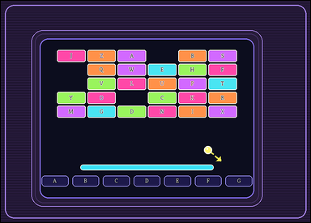 |  | task_games__brick_breaker__paddle_catch_label | paddle_catch_label | brick_breaker | paddle_catch_label | The figure shows a brick-breaker playfield with labeled bricks at the top, a short ball-direction cue, and labeled catch lanes at the bottom. The short dashed arrow shows the ball's current straight direction. Which catch-lane label does it reach if extended to the bottom? Required answer format: set "answer" to the selected bottom lane label as a string. Example JSON: {"answer":"C"} | {"answer": "G"} | The figure shows a brick-breaker playfield with labeled bricks at the top, a short ball-direction cue, and labeled catch lanes at the bottom. The short dashed arrow shows the ball's current straight direction. Which catch-lane label does it reach if extended to the bottom? Final answer format: set "answer" to the selected bottom lane label as a string. Annotation format: set "annotation" to one bounding box [x0, y0, x1, y1] around the selected bottom catch lane pad. Example JSON: {"annotation":[[245,382,345,424]],"answer":"C"} | {"annotation": [[568.429, 442.0, 636.0, 469.0]], "answer": "G"} | string | bbox_set | 45930156714500 | games/brick_breaker/task_games__brick_breaker__paddle_catch_label/images/paddle_catch_label/0052.png | games/brick_breaker/task_games__brick_breaker__paddle_catch_label/data/paddle_catch_label/0052.json
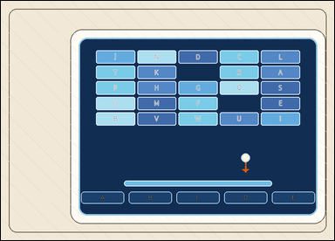 | 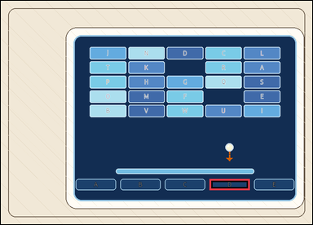 | task_games__brick_breaker__paddle_catch_label | paddle_catch_label | brick_breaker | paddle_catch_label | The image shows a brick-breaker playfield with labeled bricks at the top, a short ball-direction cue, and labeled catch lanes at the bottom. The short dashed arrow shows the ball's current straight direction. Which catch-lane label does it reach if extended to the bottom? Final answer format: set "answer" to the selected bottom lane label as a string. Example JSON: {"answer":"C"} | {"answer": "D"} | The image shows a brick-breaker playfield with labeled bricks at the top, a short ball-direction cue, and labeled catch lanes at the bottom. The short dashed arrow shows the ball's current straight direction. Which catch-lane label does it reach if extended to the bottom? Required annotation format: set "annotation" to one bounding box [x0, y0, x1, y1] around the selected bottom catch lane pad. Required answer format: set "answer" to the selected bottom lane label as a string. Example JSON: {"annotation":[[245,382,345,424]],"answer":"C"} | {"annotation": [[566.0, 483.0, 675.0, 513.0]], "answer": "D"} | string | bbox_set | 142389786962947 | games/brick_breaker/task_games__brick_breaker__paddle_catch_label/images/paddle_catch_label/0053.png | games/brick_breaker/task_games__brick_breaker__paddle_catch_label/data/paddle_catch_label/0053.json
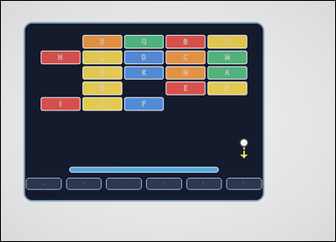 | 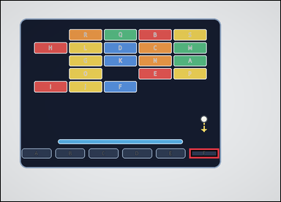 | task_games__brick_breaker__paddle_catch_label | paddle_catch_label | brick_breaker | paddle_catch_label | This scene shows a brick-breaker playfield with labeled bricks at the top, a short ball-direction cue, and labeled catch lanes at the bottom. The short dashed arrow shows the ball's current straight direction. Which catch-lane label does it reach if extended to the bottom? Format for the "answer" field: set "answer" to the selected bottom lane label as a string. Example JSON: {"answer":"C"} | {"answer": "F"} | This scene shows a brick-breaker playfield with labeled bricks at the top, a short ball-direction cue, and labeled catch lanes at the bottom. The short dashed arrow shows the ball's current straight direction. Which catch-lane label does it reach if extended to the bottom? Required annotation format: set "annotation" to one bounding box [x0, y0, x1, y1] around the selected bottom catch lane pad. Required answer format: set "answer" to the selected bottom lane label as a string. Example JSON: {"annotation":[[245,382,345,424]],"answer":"C"} | {"annotation": [[577.333, 452.0, 668.0, 482.0]], "answer": "F"} | string | bbox_set | 161805983769481 | games/brick_breaker/task_games__brick_breaker__paddle_catch_label/images/paddle_catch_label/0060.png | games/brick_breaker/task_games__brick_breaker__paddle_catch_label/data/paddle_catch_label/0060.json
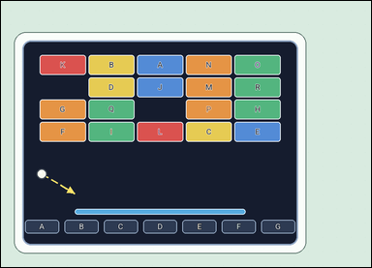 | 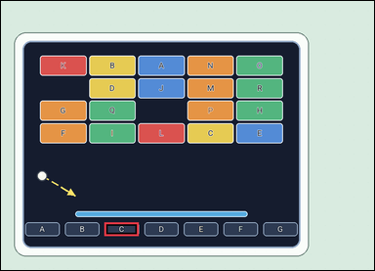 | task_games__brick_breaker__paddle_catch_label | paddle_catch_label | brick_breaker | paddle_catch_label | The scene shows a brick-breaker playfield with labeled bricks at the top, a short ball-direction cue, and labeled catch lanes at the bottom. The short dashed arrow shows the ball's current straight direction. Which labeled bottom lane should the paddle be in? Format for the "answer" field: set "answer" to the selected bottom lane label as a string. Example JSON: {"answer":"C"} | {"answer": "C"} | The scene shows a brick-breaker playfield with labeled bricks at the top, a short ball-direction cue, and labeled catch lanes at the bottom. The short dashed arrow shows the ball's current straight direction. Which labeled bottom lane should the paddle be in? Annotation format: set "annotation" to one bounding box [x0, y0, x1, y1] around the selected bottom catch lane pad. Answer format: set "answer" to the selected bottom lane label as a string. Example JSON: {"annotation":[[245,382,345,424]],"answer":"C"} | {"annotation": [[260.714, 556.0, 346.571, 590.0]], "answer": "C"} | string | bbox_set | 387523466727496 | games/brick_breaker/task_games__brick_breaker__paddle_catch_label/images/paddle_catch_label/0048.png | games/brick_breaker/task_games__brick_breaker__paddle_catch_label/data/paddle_catch_label/0048.json
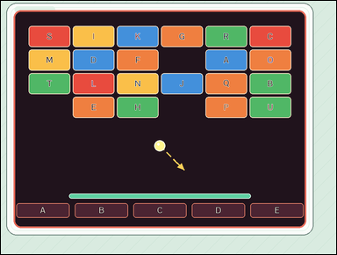 | 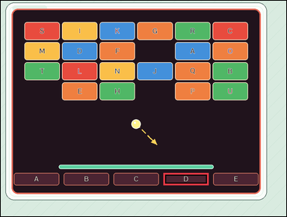 | task_games__brick_breaker__paddle_catch_label | paddle_catch_label | brick_breaker | paddle_catch_label | The image shows a brick-breaker playfield with labeled bricks at the top, a short ball-direction cue, and labeled catch lanes at the bottom. The short dashed arrow shows the ball's current straight direction. Report the label of the bottom catch lane where the ball arrives. Final answer format: set "answer" to the selected bottom lane label as a string. Example JSON: {"answer":"C"} | {"answer": "D"} | The image shows a brick-breaker playfield with labeled bricks at the top, a short ball-direction cue, and labeled catch lanes at the bottom. The short dashed arrow shows the ball's current straight direction. Report the label of the bottom catch lane where the ball arrives. Required annotation format: set "annotation" to one bounding box [x0, y0, x1, y1] around the selected bottom catch lane pad. Required answer format: set "answer" to the selected bottom lane label as a string. Example JSON: {"annotation":[[245,382,345,424]],"answer":"C"} | {"annotation": [[558.0, 591.0, 713.0, 633.0]], "answer": "D"} | string | bbox_set | 524856004031364 | games/brick_breaker/task_games__brick_breaker__paddle_catch_label/images/paddle_catch_label/0097.png | games/brick_breaker/task_games__brick_breaker__paddle_catch_label/data/paddle_catch_label/0097.json
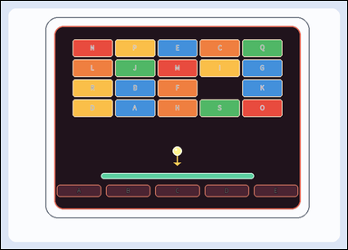 |  | task_games__brick_breaker__paddle_catch_label | paddle_catch_label | brick_breaker | paddle_catch_label | The visual shows a brick-breaker playfield with labeled bricks at the top, a short ball-direction cue, and labeled catch lanes at the bottom. The short dashed arrow shows the ball's current straight direction. Which labeled bottom catch lane should the paddle cover? Format for the "answer" field: set "answer" to the selected bottom lane label as a string. Example JSON: {"answer":"C"} | {"answer": "C"} | The visual shows a brick-breaker playfield with labeled bricks at the top, a short ball-direction cue, and labeled catch lanes at the bottom. The short dashed arrow shows the ball's current straight direction. Which labeled bottom catch lane should the paddle cover? Annotation format: set "annotation" to one bounding box [x0, y0, x1, y1] around the selected bottom catch lane pad. Answer format: set "answer" to the selected bottom lane label as a string. Example JSON: {"annotation":[[245,382,345,424]],"answer":"C"} | {"annotation": [[370.4, 441.0, 476.6, 470.0]], "answer": "C"} | string | bbox_set | 573996992868219 | games/brick_breaker/task_games__brick_breaker__paddle_catch_label/images/paddle_catch_label/0098.png | games/brick_breaker/task_games__brick_breaker__paddle_catch_label/data/paddle_catch_label/0098.json
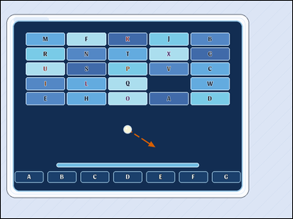 |  | task_games__brick_breaker__paddle_catch_label | paddle_catch_label | brick_breaker | paddle_catch_label | The visual shows a brick-breaker playfield with labeled bricks at the top, a short ball-direction cue, and labeled catch lanes at the bottom. The short dashed arrow shows the ball's current straight direction. Report the label of the bottom catch lane where the ball arrives. Answer format: set "answer" to the selected bottom lane label as a string. Example JSON: {"answer":"C"} | {"answer": "F"} | The visual shows a brick-breaker playfield with labeled bricks at the top, a short ball-direction cue, and labeled catch lanes at the bottom. The short dashed arrow shows the ball's current straight direction. Report the label of the bottom catch lane where the ball arrives. Annotation format: set "annotation" to one bounding box [x0, y0, x1, y1] around the selected bottom catch lane pad. Answer format: set "answer" to the selected bottom lane label as a string. Example JSON: {"annotation":[[245,382,345,424]],"answer":"C"} | {"annotation": [[599.143, 573.0, 695.571, 611.0]], "answer": "F"} | string | bbox_set | 759236737413621 | games/brick_breaker/task_games__brick_breaker__paddle_catch_label/images/paddle_catch_label/0017.png | games/brick_breaker/task_games__brick_breaker__paddle_catch_label/data/paddle_catch_label/0017.json
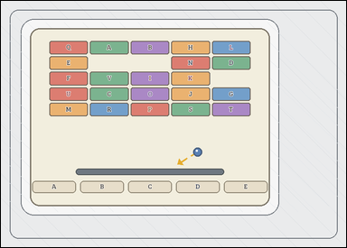 | 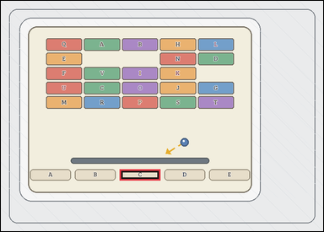 | task_games__brick_breaker__paddle_catch_label | paddle_catch_label | brick_breaker | paddle_catch_label | The figure shows a brick-breaker playfield with labeled bricks at the top, a short ball-direction cue, and labeled catch lanes at the bottom. The short dashed arrow shows the ball's current straight direction. Which labeled bottom catch lane should the paddle cover? Final answer format: set "answer" to the selected bottom lane label as a string. Example JSON: {"answer":"C"} | {"answer": "C"} | The figure shows a brick-breaker playfield with labeled bricks at the top, a short ball-direction cue, and labeled catch lanes at the bottom. The short dashed arrow shows the ball's current straight direction. Which labeled bottom catch lane should the paddle cover? Annotation format: set "annotation" to one bounding box [x0, y0, x1, y1] around the selected bottom catch lane pad. Answer format: set "answer" to the selected bottom lane label as a string. Example JSON: {"annotation":[[245,382,345,424]],"answer":"C"} | {"annotation": [[289.0, 410.0, 388.0, 437.0]], "answer": "C"} | string | bbox_set | 820728586963061 | games/brick_breaker/task_games__brick_breaker__paddle_catch_label/images/paddle_catch_label/0096.png | games/brick_breaker/task_games__brick_breaker__paddle_catch_label/data/paddle_catch_label/0096.json
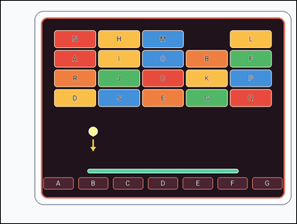 | 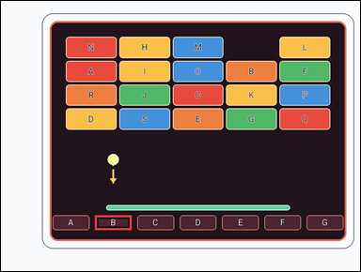 | task_games__brick_breaker__paddle_catch_label | paddle_catch_label | brick_breaker | paddle_catch_label | The scene shows a brick-breaker playfield with labeled bricks at the top, a short ball-direction cue, and labeled catch lanes at the bottom. The short dashed arrow shows the ball's current straight direction. Which labeled bottom lane should the paddle be in? Required answer format: set "answer" to the selected bottom lane label as a string. Example JSON: {"answer":"C"} | {"answer": "B"} | The scene shows a brick-breaker playfield with labeled bricks at the top, a short ball-direction cue, and labeled catch lanes at the bottom. The short dashed arrow shows the ball's current straight direction. Which labeled bottom lane should the paddle be in? Annotation format: set "annotation" to one bounding box [x0, y0, x1, y1] around the selected bottom catch lane pad. Answer format: set "answer" to the selected bottom lane label as a string. Example JSON: {"annotation":[[245,382,345,424]],"answer":"C"} | {"annotation": [[256.571, 587.0, 356.143, 627.0]], "answer": "B"} | string | bbox_set | 904914102649589 | games/brick_breaker/task_games__brick_breaker__paddle_catch_label/images/paddle_catch_label/0071.png | games/brick_breaker/task_games__brick_breaker__paddle_catch_label/data/paddle_catch_label/0071.json
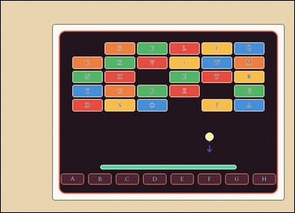 |  | task_games__brick_breaker__paddle_catch_label | paddle_catch_label | brick_breaker | paddle_catch_label | The scene shows a brick-breaker playfield with labeled bricks at the top, a short ball-direction cue, and labeled catch lanes at the bottom. The short dashed arrow shows the ball's current straight direction. Which catch-lane label does it reach if extended to the bottom? Answer field: set "answer" to the selected bottom lane label as a string. Example JSON: {"answer":"C"} | {"answer": "F"} | The scene shows a brick-breaker playfield with labeled bricks at the top, a short ball-direction cue, and labeled catch lanes at the bottom. The short dashed arrow shows the ball's current straight direction. Which catch-lane label does it reach if extended to the bottom? Annotation format: set "annotation" to one bounding box [x0, y0, x1, y1] around the selected bottom catch lane pad. Answer format: set "answer" to the selected bottom lane label as a string. Example JSON: {"annotation":[[245,382,345,424]],"answer":"C"} | {"annotation": [[635.875, 557.0, 710.25, 592.0]], "answer": "F"} | string | bbox_set | 976988237764742 | games/brick_breaker/task_games__brick_breaker__paddle_catch_label/images/paddle_catch_label/0023.png | games/brick_breaker/task_games__brick_breaker__paddle_catch_label/data/paddle_catch_label/0023.json
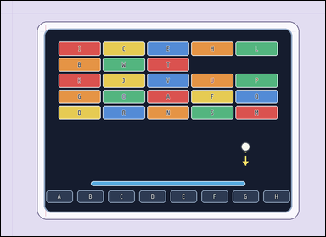 | 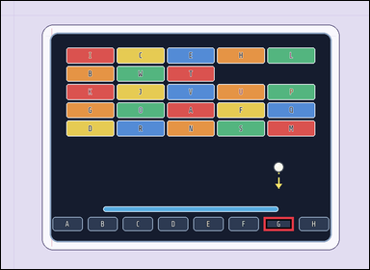 | task_games__brick_breaker__paddle_catch_label | paddle_catch_label | brick_breaker | paddle_catch_label | The visual shows a brick-breaker playfield with labeled bricks at the top, a short ball-direction cue, and labeled catch lanes at the bottom. The short dashed arrow shows the ball's current straight direction. Which labeled bottom lane should the paddle be in? Format for the "answer" field: set "answer" to the selected bottom lane label as a string. Example JSON: {"answer":"C"} | {"answer": "G"} | The visual shows a brick-breaker playfield with labeled bricks at the top, a short ball-direction cue, and labeled catch lanes at the bottom. The short dashed arrow shows the ball's current straight direction. Which labeled bottom lane should the paddle be in? Required annotation format: set "annotation" to one bounding box [x0, y0, x1, y1] around the selected bottom catch lane pad. Required answer format: set "answer" to the selected bottom lane label as a string. Example JSON: {"annotation":[[245,382,345,424]],"answer":"C"} | {"annotation": [[699.5, 575.0, 779.25, 612.0]], "answer": "G"} | string | bbox_set | 1.0421530069E+15 | games/brick_breaker/task_games__brick_breaker__paddle_catch_label/images/paddle_catch_label/0021.png | games/brick_breaker/task_games__brick_breaker__paddle_catch_label/data/paddle_catch_label/0021.json
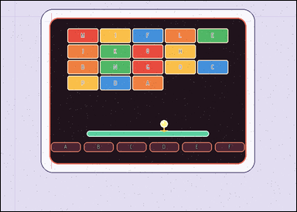 |  | task_games__brick_breaker__paddle_catch_label | paddle_catch_label | brick_breaker | paddle_catch_label | The scene shows a brick-breaker playfield with labeled bricks at the top, a short ball-direction cue, and labeled catch lanes at the bottom. The short dashed arrow shows the ball's current straight direction. Which labeled bottom lane should the paddle be in? Format for the "answer" field: set "answer" to the selected bottom lane label as a string. Example JSON: {"answer":"C"} | {"answer": "D"} | The scene shows a brick-breaker playfield with labeled bricks at the top, a short ball-direction cue, and labeled catch lanes at the bottom. The short dashed arrow shows the ball's current straight direction. Which labeled bottom lane should the paddle be in? Annotation format: set "annotation" to one bounding box [x0, y0, x1, y1] around the selected bottom catch lane pad. Answer format: set "answer" to the selected bottom lane label as a string. Example JSON: {"annotation":[[245,382,345,424]],"answer":"C"} | {"annotation": [[361.5, 344.0, 433.333, 367.0]], "answer": "D"} | string | bbox_set | 1.1282153186E+15 | games/brick_breaker/task_games__brick_breaker__paddle_catch_label/images/paddle_catch_label/0032.png | games/brick_breaker/task_games__brick_breaker__paddle_catch_label/data/paddle_catch_label/0032.json
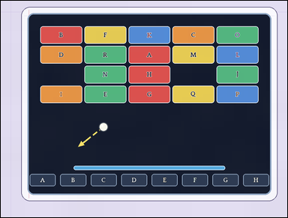 |  | task_games__brick_breaker__paddle_catch_label | paddle_catch_label | brick_breaker | paddle_catch_label | The visual shows a brick-breaker playfield with labeled bricks at the top, a short ball-direction cue, and labeled catch lanes at the bottom. The short dashed arrow shows the ball's current straight direction. Which labeled bottom lane should the paddle be in? Answer format: set "answer" to the selected bottom lane label as a string. Example JSON: {"answer":"C"} | {"answer": "A"} | The visual shows a brick-breaker playfield with labeled bricks at the top, a short ball-direction cue, and labeled catch lanes at the bottom. The short dashed arrow shows the ball's current straight direction. Which labeled bottom lane should the paddle be in? Annotation format: set "annotation" to one bounding box [x0, y0, x1, y1] around the selected bottom catch lane pad. Answer format: set "answer" to the selected bottom lane label as a string. Example JSON: {"annotation":[[245,382,345,424]],"answer":"C"} | {"annotation": [[99.0, 592.0, 187.25, 633.0]], "answer": "A"} | string | bbox_set | 1.137348484E+15 | games/brick_breaker/task_games__brick_breaker__paddle_catch_label/images/paddle_catch_label/0029.png | games/brick_breaker/task_games__brick_breaker__paddle_catch_label/data/paddle_catch_label/0029.json
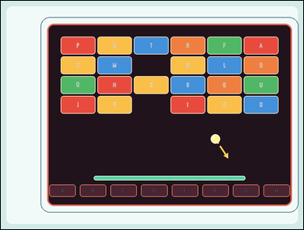 |  | task_games__brick_breaker__paddle_catch_label | paddle_catch_label | brick_breaker | paddle_catch_label | The figure shows a brick-breaker playfield with labeled bricks at the top, a short ball-direction cue, and labeled catch lanes at the bottom. The short dashed arrow shows the ball's current straight direction. Which labeled bottom catch lane should the paddle cover? Answer format: set "answer" to the selected bottom lane label as a string. Example JSON: {"answer":"C"} | {"answer": "G"} | The figure shows a brick-breaker playfield with labeled bricks at the top, a short ball-direction cue, and labeled catch lanes at the bottom. The short dashed arrow shows the ball's current straight direction. Which labeled bottom catch lane should the paddle cover? Annotation format: set "annotation" to one bounding box [x0, y0, x1, y1] around the selected bottom catch lane pad. Answer format: set "answer" to the selected bottom lane label as a string. Example JSON: {"annotation":[[245,382,345,424]],"answer":"C"} | {"annotation": [[751.75, 595.0, 836.875, 634.0]], "answer": "G"} | string | bbox_set | 1.1964350702E+15 | games/brick_breaker/task_games__brick_breaker__paddle_catch_label/images/paddle_catch_label/0037.png | games/brick_breaker/task_games__brick_breaker__paddle_catch_label/data/paddle_catch_label/0037.json
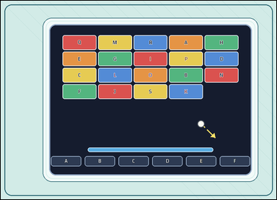 | 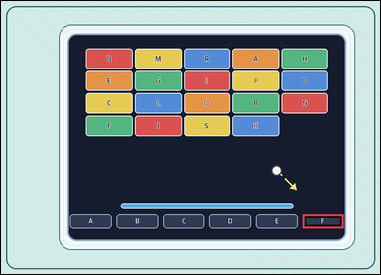 | task_games__brick_breaker__paddle_catch_label | paddle_catch_label | brick_breaker | paddle_catch_label | The image shows a brick-breaker playfield with labeled bricks at the top, a short ball-direction cue, and labeled catch lanes at the bottom. The short dashed arrow shows the ball's current straight direction. Which catch-lane label does it reach if extended to the bottom? Format for the "answer" field: set "answer" to the selected bottom lane label as a string. Example JSON: {"answer":"C"} | {"answer": "F"} | The image shows a brick-breaker playfield with labeled bricks at the top, a short ball-direction cue, and labeled catch lanes at the bottom. The short dashed arrow shows the ball's current straight direction. Which catch-lane label does it reach if extended to the bottom? Annotation format: set "annotation" to one bounding box [x0, y0, x1, y1] around the selected bottom catch lane pad. Answer format: set "answer" to the selected bottom lane label as a string. Example JSON: {"annotation":[[245,382,345,424]],"answer":"C"} | {"annotation": [[720.0, 510.0, 819.0, 543.0]], "answer": "F"} | string | bbox_set | 1.2433665308E+15 | games/brick_breaker/task_games__brick_breaker__paddle_catch_label/images/paddle_catch_label/0022.png | games/brick_breaker/task_games__brick_breaker__paddle_catch_label/data/paddle_catch_label/0022.json
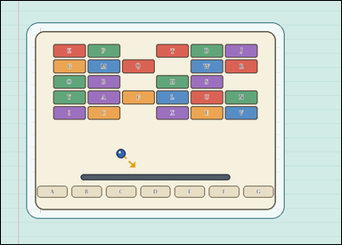 |  | task_games__brick_breaker__paddle_catch_label | paddle_catch_label | brick_breaker | paddle_catch_label | The visual shows a brick-breaker playfield with labeled bricks at the top, a short ball-direction cue, and labeled catch lanes at the bottom. The short dashed arrow shows the ball's current straight direction. Which catch-lane label does it reach if extended to the bottom? Answer format: set "answer" to the selected bottom lane label as a string. Example JSON: {"answer":"C"} | {"answer": "D"} | The visual shows a brick-breaker playfield with labeled bricks at the top, a short ball-direction cue, and labeled catch lanes at the bottom. The short dashed arrow shows the ball's current straight direction. Which catch-lane label does it reach if extended to the bottom? Annotation format: set "annotation" to one bounding box [x0, y0, x1, y1] around the selected bottom catch lane pad. Answer format: set "answer" to the selected bottom lane label as a string. Example JSON: {"annotation":[[245,382,345,424]],"answer":"C"} | {"annotation": [[335.571, 446.0, 408.429, 474.0]], "answer": "D"} | string | bbox_set | 1.2673955566E+15 | games/brick_breaker/task_games__brick_breaker__paddle_catch_label/images/paddle_catch_label/0044.png | games/brick_breaker/task_games__brick_breaker__paddle_catch_label/data/paddle_catch_label/0044.json
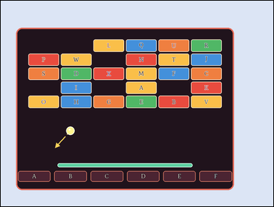 |  | task_games__brick_breaker__paddle_catch_label | paddle_catch_label | brick_breaker | paddle_catch_label | The scene shows a brick-breaker playfield with labeled bricks at the top, a short ball-direction cue, and labeled catch lanes at the bottom. The short dashed arrow shows the ball's current straight direction. Which labeled bottom lane should the paddle be in? Required answer format: set "answer" to the selected bottom lane label as a string. Example JSON: {"answer":"C"} | {"answer": "A"} | The scene shows a brick-breaker playfield with labeled bricks at the top, a short ball-direction cue, and labeled catch lanes at the bottom. The short dashed arrow shows the ball's current straight direction. Which labeled bottom lane should the paddle be in? Required annotation format: set "annotation" to one bounding box [x0, y0, x1, y1] around the selected bottom catch lane pad. Required answer format: set "answer" to the selected bottom lane label as a string. Example JSON: {"annotation":[[245,382,345,424]],"answer":"C"} | {"annotation": [[62.0, 612.0, 178.5, 650.0]], "answer": "A"} | string | bbox_set | 1.3360787284E+15 | games/brick_breaker/task_games__brick_breaker__paddle_catch_label/images/paddle_catch_label/0007.png | games/brick_breaker/task_games__brick_breaker__paddle_catch_label/data/paddle_catch_label/0007.json
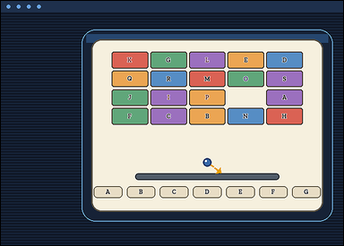 | 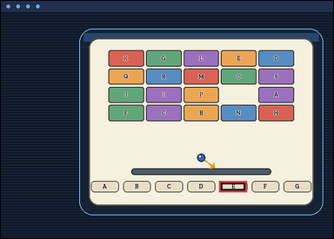 | task_games__brick_breaker__paddle_catch_label | paddle_catch_label | brick_breaker | paddle_catch_label | This scene shows a brick-breaker playfield with labeled bricks at the top, a short ball-direction cue, and labeled catch lanes at the bottom. The short dashed arrow shows the ball's current straight direction. Which catch-lane label does it reach if extended to the bottom? Answer format: set "answer" to the selected bottom lane label as a string. Example JSON: {"answer":"C"} | {"answer": "E"} | This scene shows a brick-breaker playfield with labeled bricks at the top, a short ball-direction cue, and labeled catch lanes at the bottom. The short dashed arrow shows the ball's current straight direction. Which catch-lane label does it reach if extended to the bottom? Required annotation format: set "annotation" to one bounding box [x0, y0, x1, y1] around the selected bottom catch lane pad. Required answer format: set "answer" to the selected bottom lane label as a string. Example JSON: {"annotation":[[245,382,345,424]],"answer":"C"} | {"annotation": [[487.857, 402.0, 549.571, 427.0]], "answer": "E"} | string | bbox_set | 1.4428343356E+15 | games/brick_breaker/task_games__brick_breaker__paddle_catch_label/images/paddle_catch_label/0041.png | games/brick_breaker/task_games__brick_breaker__paddle_catch_label/data/paddle_catch_label/0041.json
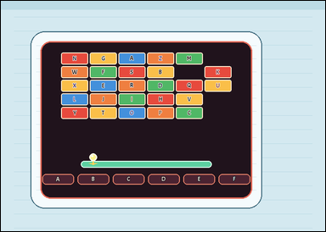 | 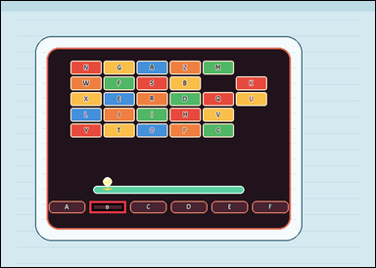 | task_games__brick_breaker__paddle_catch_label | paddle_catch_label | brick_breaker | paddle_catch_label | The image shows a brick-breaker playfield with labeled bricks at the top, a short ball-direction cue, and labeled catch lanes at the bottom. The short dashed arrow shows the ball's current straight direction. Which labeled bottom lane should the paddle be in? Answer field: set "answer" to the selected bottom lane label as a string. Example JSON: {"answer":"C"} | {"answer": "B"} | The image shows a brick-breaker playfield with labeled bricks at the top, a short ball-direction cue, and labeled catch lanes at the bottom. The short dashed arrow shows the ball's current straight direction. Which labeled bottom lane should the paddle be in? Final answer format: set "answer" to the selected bottom lane label as a string. Annotation format: set "annotation" to one bounding box [x0, y0, x1, y1] around the selected bottom catch lane pad. Example JSON: {"annotation":[[245,382,345,424]],"answer":"C"} | {"annotation": [[163.0, 369.0, 230.0, 391.0]], "answer": "B"} | string | bbox_set | 1.5213079605E+15 | games/brick_breaker/task_games__brick_breaker__paddle_catch_label/images/paddle_catch_label/0093.png | games/brick_breaker/task_games__brick_breaker__paddle_catch_label/data/paddle_catch_label/0093.json
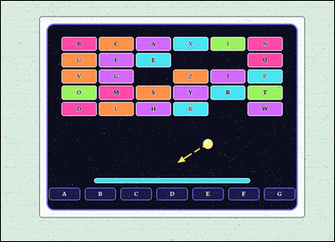 | 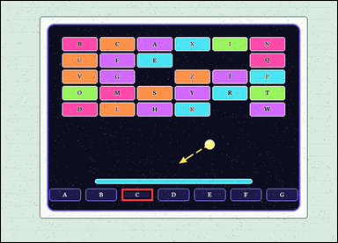 | task_games__brick_breaker__paddle_catch_label | paddle_catch_label | brick_breaker | paddle_catch_label | The image shows a brick-breaker playfield with labeled bricks at the top, a short ball-direction cue, and labeled catch lanes at the bottom. The short dashed arrow shows the ball's current straight direction. Which catch-lane label does it reach if extended to the bottom? Answer format: set "answer" to the selected bottom lane label as a string. Example JSON: {"answer":"C"} | {"answer": "C"} | The image shows a brick-breaker playfield with labeled bricks at the top, a short ball-direction cue, and labeled catch lanes at the bottom. The short dashed arrow shows the ball's current straight direction. Which catch-lane label does it reach if extended to the bottom? Annotation format: set "annotation" to one bounding box [x0, y0, x1, y1] around the selected bottom catch lane pad. Answer format: set "answer" to the selected bottom lane label as a string. Example JSON: {"annotation":[[245,382,345,424]],"answer":"C"} | {"annotation": [[349.429, 545.0, 440.143, 581.0]], "answer": "C"} | string | bbox_set | 1.5593395738E+15 | games/brick_breaker/task_games__brick_breaker__paddle_catch_label/images/paddle_catch_label/0011.png | games/brick_breaker/task_games__brick_breaker__paddle_catch_label/data/paddle_catch_label/0011.json
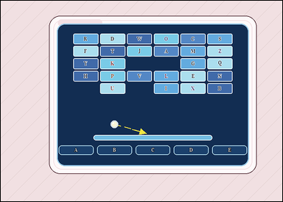 | 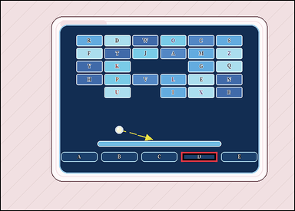 | task_games__brick_breaker__paddle_catch_label | paddle_catch_label | brick_breaker | paddle_catch_label | The visual shows a brick-breaker playfield with labeled bricks at the top, a short ball-direction cue, and labeled catch lanes at the bottom. The short dashed arrow shows the ball's current straight direction. Which labeled bottom catch lane should the paddle cover? Answer field: set "answer" to the selected bottom lane label as a string. Example JSON: {"answer":"C"} | {"answer": "D"} | The visual shows a brick-breaker playfield with labeled bricks at the top, a short ball-direction cue, and labeled catch lanes at the bottom. The short dashed arrow shows the ball's current straight direction. Which labeled bottom catch lane should the paddle cover? Required annotation format: set "annotation" to one bounding box [x0, y0, x1, y1] around the selected bottom catch lane pad. Required answer format: set "answer" to the selected bottom lane label as a string. Example JSON: {"annotation":[[245,382,345,424]],"answer":"C"} | {"annotation": [[463.4, 388.0, 556.2, 413.0]], "answer": "D"} | string | bbox_set | 1.6647464035E+15 | games/brick_breaker/task_games__brick_breaker__paddle_catch_label/images/paddle_catch_label/0024.png | games/brick_breaker/task_games__brick_breaker__paddle_catch_label/data/paddle_catch_label/0024.json
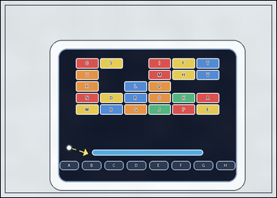 | 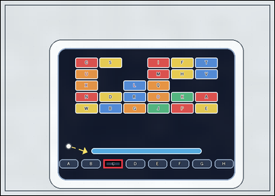 | task_games__brick_breaker__paddle_catch_label | paddle_catch_label | brick_breaker | paddle_catch_label | This scene shows a brick-breaker playfield with labeled bricks at the top, a short ball-direction cue, and labeled catch lanes at the bottom. The short dashed arrow shows the ball's current straight direction. Which catch-lane label does it reach if extended to the bottom? Final answer format: set "answer" to the selected bottom lane label as a string. Example JSON: {"answer":"C"} | {"answer": "C"} | This scene shows a brick-breaker playfield with labeled bricks at the top, a short ball-direction cue, and labeled catch lanes at the bottom. The short dashed arrow shows the ball's current straight direction. Which catch-lane label does it reach if extended to the bottom? Annotation format: set "annotation" to one bounding box [x0, y0, x1, y1] around the selected bottom catch lane pad. Answer format: set "answer" to the selected bottom lane label as a string. Example JSON: {"annotation":[[245,382,345,424]],"answer":"C"} | {"annotation": [[256.75, 396.0, 304.125, 418.0]], "answer": "C"} | string | bbox_set | 1.8275217862E+15 | games/brick_breaker/task_games__brick_breaker__paddle_catch_label/images/paddle_catch_label/0005.png | games/brick_breaker/task_games__brick_breaker__paddle_catch_label/data/paddle_catch_label/0005.json
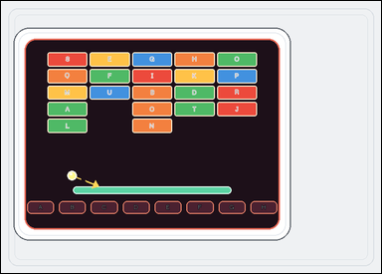 |  | task_games__brick_breaker__paddle_catch_label | paddle_catch_label | brick_breaker | paddle_catch_label | The scene shows a brick-breaker playfield with labeled bricks at the top, a short ball-direction cue, and labeled catch lanes at the bottom. The short dashed arrow shows the ball's current straight direction. Report the label of the bottom catch lane where the ball arrives. Format for the "answer" field: set "answer" to the selected bottom lane label as a string. Example JSON: {"answer":"C"} | {"answer": "D"} | The scene shows a brick-breaker playfield with labeled bricks at the top, a short ball-direction cue, and labeled catch lanes at the bottom. The short dashed arrow shows the ball's current straight direction. Report the label of the bottom catch lane where the ball arrives. Required annotation format: set "annotation" to one bounding box [x0, y0, x1, y1] around the selected bottom catch lane pad. Required answer format: set "answer" to the selected bottom lane label as a string. Example JSON: {"annotation":[[245,382,345,424]],"answer":"C"} | {"annotation": [[233.75, 383.0, 285.0, 407.0]], "answer": "D"} | string | bbox_set | 1.8360070919E+15 | games/brick_breaker/task_games__brick_breaker__paddle_catch_label/images/paddle_catch_label/0057.png | games/brick_breaker/task_games__brick_breaker__paddle_catch_label/data/paddle_catch_label/0057.json
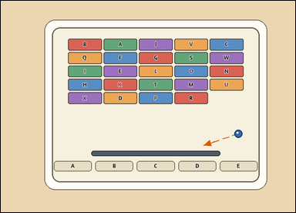 | 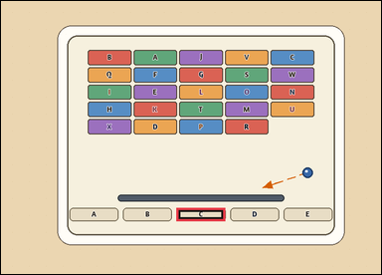 | task_games__brick_breaker__paddle_catch_label | paddle_catch_label | brick_breaker | paddle_catch_label | The visual shows a brick-breaker playfield with labeled bricks at the top, a short ball-direction cue, and labeled catch lanes at the bottom. The short dashed arrow shows the ball's current straight direction. Report the label of the bottom catch lane where the ball arrives. Answer field: set "answer" to the selected bottom lane label as a string. Example JSON: {"answer":"C"} | {"answer": "C"} | The visual shows a brick-breaker playfield with labeled bricks at the top, a short ball-direction cue, and labeled catch lanes at the bottom. The short dashed arrow shows the ball's current straight direction. Report the label of the bottom catch lane where the ball arrives. Annotation format: set "annotation" to one bounding box [x0, y0, x1, y1] around the selected bottom catch lane pad. Answer format: set "answer" to the selected bottom lane label as a string. Example JSON: {"annotation":[[245,382,345,424]],"answer":"C"} | {"annotation": [[374.4, 440.0, 478.6, 468.0]], "answer": "C"} | string | bbox_set | 1.8455513081E+15 | games/brick_breaker/task_games__brick_breaker__paddle_catch_label/images/paddle_catch_label/0054.png | games/brick_breaker/task_games__brick_breaker__paddle_catch_label/data/paddle_catch_label/0054.json
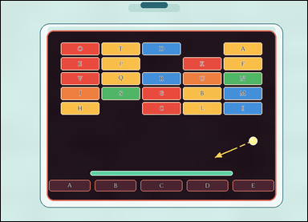 |  | task_games__brick_breaker__paddle_catch_label | paddle_catch_label | brick_breaker | paddle_catch_label | The image shows a brick-breaker playfield with labeled bricks at the top, a short ball-direction cue, and labeled catch lanes at the bottom. The short dashed arrow shows the ball's current straight direction. Which catch-lane label does it reach if extended to the bottom? Final answer format: set "answer" to the selected bottom lane label as a string. Example JSON: {"answer":"C"} | {"answer": "C"} | The image shows a brick-breaker playfield with labeled bricks at the top, a short ball-direction cue, and labeled catch lanes at the bottom. The short dashed arrow shows the ball's current straight direction. Which catch-lane label does it reach if extended to the bottom? Annotation format: set "annotation" to one bounding box [x0, y0, x1, y1] around the selected bottom catch lane pad. Answer format: set "answer" to the selected bottom lane label as a string. Example JSON: {"annotation":[[245,382,345,424]],"answer":"C"} | {"annotation": [[436.4, 559.0, 565.6, 594.0]], "answer": "C"} | string | bbox_set | 1.952963614E+15 | games/brick_breaker/task_games__brick_breaker__paddle_catch_label/images/paddle_catch_label/0034.png | games/brick_breaker/task_games__brick_breaker__paddle_catch_label/data/paddle_catch_label/0034.json
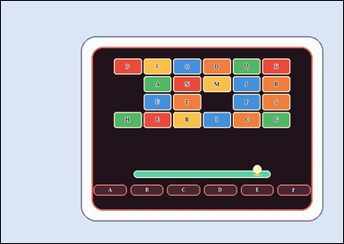 |  | task_games__brick_breaker__paddle_catch_label | paddle_catch_label | brick_breaker | paddle_catch_label | The image shows a brick-breaker playfield with labeled bricks at the top, a short ball-direction cue, and labeled catch lanes at the bottom. The short dashed arrow shows the ball's current straight direction. Which labeled bottom lane should the paddle be in? Format for the "answer" field: set "answer" to the selected bottom lane label as a string. Example JSON: {"answer":"C"} | {"answer": "E"} | The image shows a brick-breaker playfield with labeled bricks at the top, a short ball-direction cue, and labeled catch lanes at the bottom. The short dashed arrow shows the ball's current straight direction. Which labeled bottom lane should the paddle be in? Annotation format: set "annotation" to one bounding box [x0, y0, x1, y1] around the selected bottom catch lane pad. Answer format: set "answer" to the selected bottom lane label as a string. Example JSON: {"annotation":[[245,382,345,424]],"answer":"C"} | {"annotation": [[473.667, 364.0, 538.333, 385.0]], "answer": "E"} | string | bbox_set | 1.9841252335E+15 | games/brick_breaker/task_games__brick_breaker__paddle_catch_label/images/paddle_catch_label/0059.png | games/brick_breaker/task_games__brick_breaker__paddle_catch_label/data/paddle_catch_label/0059.json
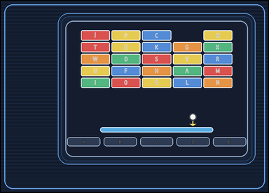 |  | task_games__brick_breaker__paddle_catch_label | paddle_catch_label | brick_breaker | paddle_catch_label | The figure shows a brick-breaker playfield with labeled bricks at the top, a short ball-direction cue, and labeled catch lanes at the bottom. The short dashed arrow shows the ball's current straight direction. Which labeled bottom lane should the paddle be in? Final answer format: set "answer" to the selected bottom lane label as a string. Example JSON: {"answer":"C"} | {"answer": "D"} | The figure shows a brick-breaker playfield with labeled bricks at the top, a short ball-direction cue, and labeled catch lanes at the bottom. The short dashed arrow shows the ball's current straight direction. Which labeled bottom lane should the paddle be in? Final answer format: set "answer" to the selected bottom lane label as a string. Annotation format: set "annotation" to one bounding box [x0, y0, x1, y1] around the selected bottom catch lane pad. Example JSON: {"annotation":[[245,382,345,424]],"answer":"C"} | {"annotation": [[495.4, 383.0, 588.2, 408.0]], "answer": "D"} | string | bbox_set | 1.9860249012E+15 | games/brick_breaker/task_games__brick_breaker__paddle_catch_label/images/paddle_catch_label/0074.png | games/brick_breaker/task_games__brick_breaker__paddle_catch_label/data/paddle_catch_label/0074.json
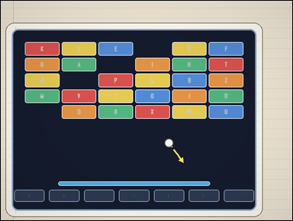 | 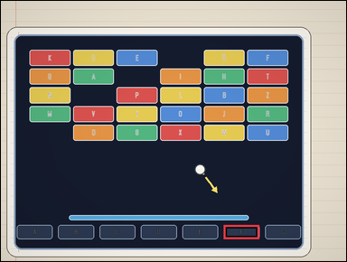 | task_games__brick_breaker__paddle_catch_label | paddle_catch_label | brick_breaker | paddle_catch_label | The image shows a brick-breaker playfield with labeled bricks at the top, a short ball-direction cue, and labeled catch lanes at the bottom. The short dashed arrow shows the ball's current straight direction. Which labeled bottom catch lane should the paddle cover? Required answer format: set "answer" to the selected bottom lane label as a string. Example JSON: {"answer":"C"} | {"answer": "F"} | The image shows a brick-breaker playfield with labeled bricks at the top, a short ball-direction cue, and labeled catch lanes at the bottom. The short dashed arrow shows the ball's current straight direction. Which labeled bottom catch lane should the paddle cover? Annotation format: set "annotation" to one bounding box [x0, y0, x1, y1] around the selected bottom catch lane pad. Answer format: set "answer" to the selected bottom lane label as a string. Example JSON: {"annotation":[[245,382,345,424]],"answer":"C"} | {"annotation": [[632.143, 637.0, 733.571, 677.0]], "answer": "F"} | string | bbox_set | 2.2778355316E+15 | games/brick_breaker/task_games__brick_breaker__paddle_catch_label/images/paddle_catch_label/0075.png | games/brick_breaker/task_games__brick_breaker__paddle_catch_label/data/paddle_catch_label/0075.json
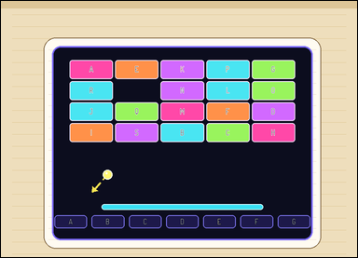 |  | task_games__brick_breaker__paddle_catch_label | paddle_catch_label | brick_breaker | paddle_catch_label | This scene shows a brick-breaker playfield with labeled bricks at the top, a short ball-direction cue, and labeled catch lanes at the bottom. The short dashed arrow shows the ball's current straight direction. Report the label of the bottom catch lane where the ball arrives. Required answer format: set "answer" to the selected bottom lane label as a string. Example JSON: {"answer":"C"} | {"answer": "A"} | This scene shows a brick-breaker playfield with labeled bricks at the top, a short ball-direction cue, and labeled catch lanes at the bottom. The short dashed arrow shows the ball's current straight direction. Report the label of the bottom catch lane where the ball arrives. Final answer format: set "answer" to the selected bottom lane label as a string. Annotation format: set "annotation" to one bounding box [x0, y0, x1, y1] around the selected bottom catch lane pad. Example JSON: {"annotation":[[245,382,345,424]],"answer":"C"} | {"annotation": [[134.0, 537.0, 215.286, 569.0]], "answer": "A"} | string | bbox_set | 2.2980478738E+15 | games/brick_breaker/task_games__brick_breaker__paddle_catch_label/images/paddle_catch_label/0043.png | games/brick_breaker/task_games__brick_breaker__paddle_catch_label/data/paddle_catch_label/0043.json
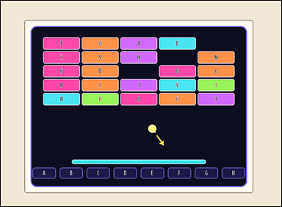 | 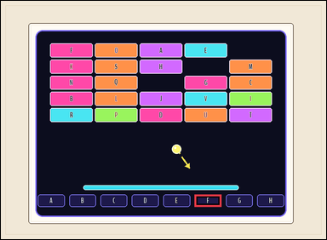 | task_games__brick_breaker__paddle_catch_label | paddle_catch_label | brick_breaker | paddle_catch_label | The visual shows a brick-breaker playfield with labeled bricks at the top, a short ball-direction cue, and labeled catch lanes at the bottom. The short dashed arrow shows the ball's current straight direction. Report the label of the bottom catch lane where the ball arrives. Format for the "answer" field: set "answer" to the selected bottom lane label as a string. Example JSON: {"answer":"C"} | {"answer": "F"} | The visual shows a brick-breaker playfield with labeled bricks at the top, a short ball-direction cue, and labeled catch lanes at the bottom. The short dashed arrow shows the ball's current straight direction. Report the label of the bottom catch lane where the ball arrives. Annotation format: set "annotation" to one bounding box [x0, y0, x1, y1] around the selected bottom catch lane pad. Answer format: set "answer" to the selected bottom lane label as a string. Example JSON: {"annotation":[[245,382,345,424]],"answer":"C"} | {"annotation": [[583.5, 584.0, 664.0, 621.0]], "answer": "F"} | string | bbox_set | 2.3664339702E+15 | games/brick_breaker/task_games__brick_breaker__paddle_catch_label/images/paddle_catch_label/0039.png | games/brick_breaker/task_games__brick_breaker__paddle_catch_label/data/paddle_catch_label/0039.json
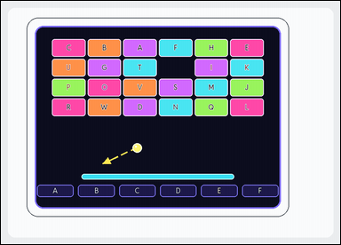 | 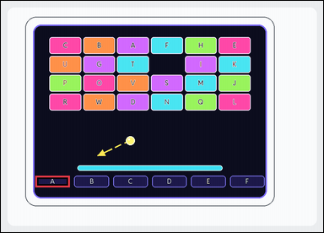 | task_games__brick_breaker__paddle_catch_label | paddle_catch_label | brick_breaker | paddle_catch_label | The image shows a brick-breaker playfield with labeled bricks at the top, a short ball-direction cue, and labeled catch lanes at the bottom. The short dashed arrow shows the ball's current straight direction. Which labeled bottom catch lane should the paddle cover? Required answer format: set "answer" to the selected bottom lane label as a string. Example JSON: {"answer":"C"} | {"answer": "A"} | The image shows a brick-breaker playfield with labeled bricks at the top, a short ball-direction cue, and labeled catch lanes at the bottom. The short dashed arrow shows the ball's current straight direction. Which labeled bottom catch lane should the paddle cover? Annotation format: set "annotation" to one bounding box [x0, y0, x1, y1] around the selected bottom catch lane pad. Answer format: set "answer" to the selected bottom lane label as a string. Example JSON: {"annotation":[[245,382,345,424]],"answer":"C"} | {"annotation": [[93.0, 473.0, 186.333, 504.0]], "answer": "A"} | string | bbox_set | 2.3677690659E+15 | games/brick_breaker/task_games__brick_breaker__paddle_catch_label/images/paddle_catch_label/0046.png | games/brick_breaker/task_games__brick_breaker__paddle_catch_label/data/paddle_catch_label/0046.json
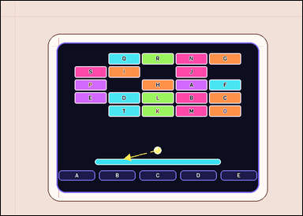 |  | task_games__brick_breaker__paddle_catch_label | paddle_catch_label | brick_breaker | paddle_catch_label | This scene shows a brick-breaker playfield with labeled bricks at the top, a short ball-direction cue, and labeled catch lanes at the bottom. The short dashed arrow shows the ball's current straight direction. Which catch-lane label does it reach if extended to the bottom? Answer field: set "answer" to the selected bottom lane label as a string. Example JSON: {"answer":"C"} | {"answer": "A"} | This scene shows a brick-breaker playfield with labeled bricks at the top, a short ball-direction cue, and labeled catch lanes at the bottom. The short dashed arrow shows the ball's current straight direction. Which catch-lane label does it reach if extended to the bottom? Required annotation format: set "annotation" to one bounding box [x0, y0, x1, y1] around the selected bottom catch lane pad. Required answer format: set "answer" to the selected bottom lane label as a string. Example JSON: {"annotation":[[245,382,345,424]],"answer":"C"} | {"annotation": [[140.0, 412.0, 228.2, 436.0]], "answer": "A"} | string | bbox_set | 2.4075307929E+15 | games/brick_breaker/task_games__brick_breaker__paddle_catch_label/images/paddle_catch_label/0018.png | games/brick_breaker/task_games__brick_breaker__paddle_catch_label/data/paddle_catch_label/0018.json
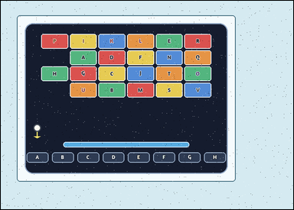 |  | task_games__brick_breaker__paddle_catch_label | paddle_catch_label | brick_breaker | paddle_catch_label | The visual shows a brick-breaker playfield with labeled bricks at the top, a short ball-direction cue, and labeled catch lanes at the bottom. The short dashed arrow shows the ball's current straight direction. Which labeled bottom catch lane should the paddle cover? Format for the "answer" field: set "answer" to the selected bottom lane label as a string. Example JSON: {"answer":"C"} | {"answer": "A"} | The visual shows a brick-breaker playfield with labeled bricks at the top, a short ball-direction cue, and labeled catch lanes at the bottom. The short dashed arrow shows the ball's current straight direction. Which labeled bottom catch lane should the paddle cover? Annotation format: set "annotation" to one bounding box [x0, y0, x1, y1] around the selected bottom catch lane pad. Answer format: set "answer" to the selected bottom lane label as a string. Example JSON: {"annotation":[[245,382,345,424]],"answer":"C"} | {"annotation": [[69.0, 407.0, 126.875, 434.0]], "answer": "A"} | string | bbox_set | 2.5507385182E+15 | games/brick_breaker/task_games__brick_breaker__paddle_catch_label/images/paddle_catch_label/0025.png | games/brick_breaker/task_games__brick_breaker__paddle_catch_label/data/paddle_catch_label/0025.json
 |  | task_games__brick_breaker__paddle_catch_label | paddle_catch_label | brick_breaker | paddle_catch_label | The visual shows a brick-breaker playfield with labeled bricks at the top, a short ball-direction cue, and labeled catch lanes at the bottom. The short dashed arrow shows the ball's current straight direction. Which catch-lane label does it reach if extended to the bottom? Format for the "answer" field: set "answer" to the selected bottom lane label as a string. Example JSON: {"answer":"C"} | {"answer": "F"} | The visual shows a brick-breaker playfield with labeled bricks at the top, a short ball-direction cue, and labeled catch lanes at the bottom. The short dashed arrow shows the ball's current straight direction. Which catch-lane label does it reach if extended to the bottom? Required annotation format: set "annotation" to one bounding box [x0, y0, x1, y1] around the selected bottom catch lane pad. Required answer format: set "answer" to the selected bottom lane label as a string. Example JSON: {"annotation":[[245,382,345,424]],"answer":"C"} | {"annotation": [[533.0, 492.0, 598.0, 522.0]], "answer": "F"} | string | bbox_set | 2.6365531737E+15 | games/brick_breaker/task_games__brick_breaker__paddle_catch_label/images/paddle_catch_label/0013.png | games/brick_breaker/task_games__brick_breaker__paddle_catch_label/data/paddle_catch_label/0013.json
 |  | task_games__brick_breaker__paddle_catch_label | paddle_catch_label | brick_breaker | paddle_catch_label | This scene shows a brick-breaker playfield with labeled bricks at the top, a short ball-direction cue, and labeled catch lanes at the bottom. The short dashed arrow shows the ball's current straight direction. Which catch-lane label does it reach if extended to the bottom? Answer field: set "answer" to the selected bottom lane label as a string. Example JSON: {"answer":"C"} | {"answer": "C"} | This scene shows a brick-breaker playfield with labeled bricks at the top, a short ball-direction cue, and labeled catch lanes at the bottom. The short dashed arrow shows the ball's current straight direction. Which catch-lane label does it reach if extended to the bottom? Annotation format: set "annotation" to one bounding box [x0, y0, x1, y1] around the selected bottom catch lane pad. Answer format: set "answer" to the selected bottom lane label as a string. Example JSON: {"annotation":[[245,382,345,424]],"answer":"C"} | {"annotation": [[359.143, 517.0, 442.714, 550.0]], "answer": "C"} | string | bbox_set | 2.8328670763E+15 | games/brick_breaker/task_games__brick_breaker__paddle_catch_label/images/paddle_catch_label/0062.png | games/brick_breaker/task_games__brick_breaker__paddle_catch_label/data/paddle_catch_label/0062.json
 |  | task_games__brick_breaker__paddle_catch_label | paddle_catch_label | brick_breaker | paddle_catch_label | The image shows a brick-breaker playfield with labeled bricks at the top, a short ball-direction cue, and labeled catch lanes at the bottom. The short dashed arrow shows the ball's current straight direction. Which labeled bottom lane should the paddle be in? Format for the "answer" field: set "answer" to the selected bottom lane label as a string. Example JSON: {"answer":"C"} | {"answer": "F"} | The image shows a brick-breaker playfield with labeled bricks at the top, a short ball-direction cue, and labeled catch lanes at the bottom. The short dashed arrow shows the ball's current straight direction. Which labeled bottom lane should the paddle be in? Annotation format: set "annotation" to one bounding box [x0, y0, x1, y1] around the selected bottom catch lane pad. Answer format: set "answer" to the selected bottom lane label as a string. Example JSON: {"annotation":[[245,382,345,424]],"answer":"C"} | {"annotation": [[367.875, 362.0, 421.25, 387.0]], "answer": "F"} | string | bbox_set | 2.9195968891E+15 | games/brick_breaker/task_games__brick_breaker__paddle_catch_label/images/paddle_catch_label/0086.png | games/brick_breaker/task_games__brick_breaker__paddle_catch_label/data/paddle_catch_label/0086.json
 |  | task_games__brick_breaker__paddle_catch_label | paddle_catch_label | brick_breaker | paddle_catch_label | This scene shows a brick-breaker playfield with labeled bricks at the top, a short ball-direction cue, and labeled catch lanes at the bottom. The short dashed arrow shows the ball's current straight direction. Which catch-lane label does it reach if extended to the bottom? Format for the "answer" field: set "answer" to the selected bottom lane label as a string. Example JSON: {"answer":"C"} | {"answer": "F"} | This scene shows a brick-breaker playfield with labeled bricks at the top, a short ball-direction cue, and labeled catch lanes at the bottom. The short dashed arrow shows the ball's current straight direction. Which catch-lane label does it reach if extended to the bottom? Annotation format: set "annotation" to one bounding box [x0, y0, x1, y1] around the selected bottom catch lane pad. Answer format: set "answer" to the selected bottom lane label as a string. Example JSON: {"annotation":[[245,382,345,424]],"answer":"C"} | {"annotation": [[471.571, 351.0, 530.286, 374.0]], "answer": "F"} | string | bbox_set | 2.923929029E+15 | games/brick_breaker/task_games__brick_breaker__paddle_catch_label/images/paddle_catch_label/0079.png | games/brick_breaker/task_games__brick_breaker__paddle_catch_label/data/paddle_catch_label/0079.json
 |  | task_games__brick_breaker__paddle_catch_label | paddle_catch_label | brick_breaker | paddle_catch_label | This scene shows a brick-breaker playfield with labeled bricks at the top, a short ball-direction cue, and labeled catch lanes at the bottom. The short dashed arrow shows the ball's current straight direction. If the ball keeps moving that way, what bottom lane label should catch it? Final answer format: set "answer" to the selected bottom lane label as a string. Example JSON: {"answer":"C"} | {"answer": "F"} | This scene shows a brick-breaker playfield with labeled bricks at the top, a short ball-direction cue, and labeled catch lanes at the bottom. The short dashed arrow shows the ball's current straight direction. If the ball keeps moving that way, what bottom lane label should catch it? Required annotation format: set "annotation" to one bounding box [x0, y0, x1, y1] around the selected bottom catch lane pad. Required answer format: set "answer" to the selected bottom lane label as a string. Example JSON: {"annotation":[[245,382,345,424]],"answer":"C"} | {"annotation": [[466.143, 373.0, 520.571, 394.0]], "answer": "F"} | string | bbox_set | 2.9684286942E+15 | games/brick_breaker/task_games__brick_breaker__paddle_catch_label/images/paddle_catch_label/0085.png | games/brick_breaker/task_games__brick_breaker__paddle_catch_label/data/paddle_catch_label/0085.json
 |  | task_games__brick_breaker__paddle_catch_label | paddle_catch_label | brick_breaker | paddle_catch_label | This scene shows a brick-breaker playfield with labeled bricks at the top, a short ball-direction cue, and labeled catch lanes at the bottom. The short dashed arrow shows the ball's current straight direction. Which catch-lane label does it reach if extended to the bottom? Format for the "answer" field: set "answer" to the selected bottom lane label as a string. Example JSON: {"answer":"C"} | {"answer": "D"} | This scene shows a brick-breaker playfield with labeled bricks at the top, a short ball-direction cue, and labeled catch lanes at the bottom. The short dashed arrow shows the ball's current straight direction. Which catch-lane label does it reach if extended to the bottom? Annotation format: set "annotation" to one bounding box [x0, y0, x1, y1] around the selected bottom catch lane pad. Answer format: set "answer" to the selected bottom lane label as a string. Example JSON: {"annotation":[[245,382,345,424]],"answer":"C"} | {"annotation": [[363.714, 419.0, 424.286, 443.0]], "answer": "D"} | string | bbox_set | 2.973923679E+15 | games/brick_breaker/task_games__brick_breaker__paddle_catch_label/images/paddle_catch_label/0076.png | games/brick_breaker/task_games__brick_breaker__paddle_catch_label/data/paddle_catch_label/0076.json
 |  | task_games__brick_breaker__paddle_catch_label | paddle_catch_label | brick_breaker | paddle_catch_label | The figure shows a brick-breaker playfield with labeled bricks at the top, a short ball-direction cue, and labeled catch lanes at the bottom. The short dashed arrow shows the ball's current straight direction. Report the label of the bottom catch lane where the ball arrives. Format for the "answer" field: set "answer" to the selected bottom lane label as a string. Example JSON: {"answer":"C"} | {"answer": "B"} | The figure shows a brick-breaker playfield with labeled bricks at the top, a short ball-direction cue, and labeled catch lanes at the bottom. The short dashed arrow shows the ball's current straight direction. Report the label of the bottom catch lane where the ball arrives. Annotation format: set "annotation" to one bounding box [x0, y0, x1, y1] around the selected bottom catch lane pad. Answer format: set "answer" to the selected bottom lane label as a string. Example JSON: {"annotation":[[245,382,345,424]],"answer":"C"} | {"annotation": [[248.875, 538.0, 322.75, 572.0]], "answer": "B"} | string | bbox_set | 2.9901989649E+15 | games/brick_breaker/task_games__brick_breaker__paddle_catch_label/images/paddle_catch_label/0094.png | games/brick_breaker/task_games__brick_breaker__paddle_catch_label/data/paddle_catch_label/0094.json
 |  | task_games__brick_breaker__paddle_catch_label | paddle_catch_label | brick_breaker | paddle_catch_label | The visual shows a brick-breaker playfield with labeled bricks at the top, a short ball-direction cue, and labeled catch lanes at the bottom. The short dashed arrow shows the ball's current straight direction. Which labeled bottom lane should the paddle be in? Format for the "answer" field: set "answer" to the selected bottom lane label as a string. Example JSON: {"answer":"C"} | {"answer": "B"} | The visual shows a brick-breaker playfield with labeled bricks at the top, a short ball-direction cue, and labeled catch lanes at the bottom. The short dashed arrow shows the ball's current straight direction. Which labeled bottom lane should the paddle be in? Annotation format: set "annotation" to one bounding box [x0, y0, x1, y1] around the selected bottom catch lane pad. Answer format: set "answer" to the selected bottom lane label as a string. Example JSON: {"annotation":[[245,382,345,424]],"answer":"C"} | {"annotation": [[280.4, 394.0, 373.8, 419.0]], "answer": "B"} | string | bbox_set | 2.9949547491E+15 | games/brick_breaker/task_games__brick_breaker__paddle_catch_label/images/paddle_catch_label/0069.png | games/brick_breaker/task_games__brick_breaker__paddle_catch_label/data/paddle_catch_label/0069.json
 |  | task_games__brick_breaker__paddle_catch_label | paddle_catch_label | brick_breaker | paddle_catch_label | This scene shows a brick-breaker playfield with labeled bricks at the top, a short ball-direction cue, and labeled catch lanes at the bottom. The short dashed arrow shows the ball's current straight direction. Which labeled bottom lane should the paddle be in? Final answer format: set "answer" to the selected bottom lane label as a string. Example JSON: {"answer":"C"} | {"answer": "B"} | This scene shows a brick-breaker playfield with labeled bricks at the top, a short ball-direction cue, and labeled catch lanes at the bottom. The short dashed arrow shows the ball's current straight direction. Which labeled bottom lane should the paddle be in? Annotation format: set "annotation" to one bounding box [x0, y0, x1, y1] around the selected bottom catch lane pad. Answer format: set "answer" to the selected bottom lane label as a string. Example JSON: {"annotation":[[245,382,345,424]],"answer":"C"} | {"annotation": [[290.2, 434.0, 381.4, 459.0]], "answer": "B"} | string | bbox_set | 3.0405532295E+15 | games/brick_breaker/task_games__brick_breaker__paddle_catch_label/images/paddle_catch_label/0068.png | games/brick_breaker/task_games__brick_breaker__paddle_catch_label/data/paddle_catch_label/0068.json
 |  | task_games__brick_breaker__paddle_catch_label | paddle_catch_label | brick_breaker | paddle_catch_label | The image shows a brick-breaker playfield with labeled bricks at the top, a short ball-direction cue, and labeled catch lanes at the bottom. The short dashed arrow shows the ball's current straight direction. Report the label of the bottom catch lane where the ball arrives. Answer field: set "answer" to the selected bottom lane label as a string. Example JSON: {"answer":"C"} | {"answer": "E"} | The image shows a brick-breaker playfield with labeled bricks at the top, a short ball-direction cue, and labeled catch lanes at the bottom. The short dashed arrow shows the ball's current straight direction. Report the label of the bottom catch lane where the ball arrives. Required annotation format: set "annotation" to one bounding box [x0, y0, x1, y1] around the selected bottom catch lane pad. Required answer format: set "answer" to the selected bottom lane label as a string. Example JSON: {"annotation":[[245,382,345,424]],"answer":"C"} | {"annotation": [[498.286, 520.0, 581.857, 553.0]], "answer": "E"} | string | bbox_set | 3.360167717E+15 | games/brick_breaker/task_games__brick_breaker__paddle_catch_label/images/paddle_catch_label/0036.png | games/brick_breaker/task_games__brick_breaker__paddle_catch_label/data/paddle_catch_label/0036.json
 |  | task_games__brick_breaker__paddle_catch_label | paddle_catch_label | brick_breaker | paddle_catch_label | This scene shows a brick-breaker playfield with labeled bricks at the top, a short ball-direction cue, and labeled catch lanes at the bottom. The short dashed arrow shows the ball's current straight direction. If the ball keeps moving that way, what bottom lane label should catch it? Answer field: set "answer" to the selected bottom lane label as a string. Example JSON: {"answer":"C"} | {"answer": "B"} | This scene shows a brick-breaker playfield with labeled bricks at the top, a short ball-direction cue, and labeled catch lanes at the bottom. The short dashed arrow shows the ball's current straight direction. If the ball keeps moving that way, what bottom lane label should catch it? Annotation format: set "annotation" to one bounding box [x0, y0, x1, y1] around the selected bottom catch lane pad. Answer format: set "answer" to the selected bottom lane label as a string. Example JSON: {"annotation":[[245,382,345,424]],"answer":"C"} | {"annotation": [[280.8, 475.0, 386.6, 503.0]], "answer": "B"} | string | bbox_set | 3.4255416061E+15 | games/brick_breaker/task_games__brick_breaker__paddle_catch_label/images/paddle_catch_label/0089.png | games/brick_breaker/task_games__brick_breaker__paddle_catch_label/data/paddle_catch_label/0089.json
 |  | task_games__brick_breaker__paddle_catch_label | paddle_catch_label | brick_breaker | paddle_catch_label | This scene shows a brick-breaker playfield with labeled bricks at the top, a short ball-direction cue, and labeled catch lanes at the bottom. The short dashed arrow shows the ball's current straight direction. Report the label of the bottom catch lane where the ball arrives. Answer format: set "answer" to the selected bottom lane label as a string. Example JSON: {"answer":"C"} | {"answer": "G"} | This scene shows a brick-breaker playfield with labeled bricks at the top, a short ball-direction cue, and labeled catch lanes at the bottom. The short dashed arrow shows the ball's current straight direction. Report the label of the bottom catch lane where the ball arrives. Annotation format: set "annotation" to one bounding box [x0, y0, x1, y1] around the selected bottom catch lane pad. Answer format: set "answer" to the selected bottom lane label as a string. Example JSON: {"annotation":[[245,382,345,424]],"answer":"C"} | {"annotation": [[659.857, 482.0, 737.0, 512.0]], "answer": "G"} | string | bbox_set | 3.5432669624E+15 | games/brick_breaker/task_games__brick_breaker__paddle_catch_label/images/paddle_catch_label/0077.png | games/brick_breaker/task_games__brick_breaker__paddle_catch_label/data/paddle_catch_label/0077.json
 |  | task_games__brick_breaker__paddle_catch_label | paddle_catch_label | brick_breaker | paddle_catch_label | The image shows a brick-breaker playfield with labeled bricks at the top, a short ball-direction cue, and labeled catch lanes at the bottom. The short dashed arrow shows the ball's current straight direction. Which catch-lane label does it reach if extended to the bottom? Required answer format: set "answer" to the selected bottom lane label as a string. Example JSON: {"answer":"C"} | {"answer": "F"} | The image shows a brick-breaker playfield with labeled bricks at the top, a short ball-direction cue, and labeled catch lanes at the bottom. The short dashed arrow shows the ball's current straight direction. Which catch-lane label does it reach if extended to the bottom? Annotation format: set "annotation" to one bounding box [x0, y0, x1, y1] around the selected bottom catch lane pad. Answer format: set "answer" to the selected bottom lane label as a string. Example JSON: {"annotation":[[245,382,345,424]],"answer":"C"} | {"annotation": [[678.571, 575.0, 769.286, 611.0]], "answer": "F"} | string | bbox_set | 3.6028716775E+15 | games/brick_breaker/task_games__brick_breaker__paddle_catch_label/images/paddle_catch_label/0056.png | games/brick_breaker/task_games__brick_breaker__paddle_catch_label/data/paddle_catch_label/0056.json
 |  | task_games__brick_breaker__paddle_catch_label | paddle_catch_label | brick_breaker | paddle_catch_label | The scene shows a brick-breaker playfield with labeled bricks at the top, a short ball-direction cue, and labeled catch lanes at the bottom. The short dashed arrow shows the ball's current straight direction. Which labeled bottom lane should the paddle be in? Answer field: set "answer" to the selected bottom lane label as a string. Example JSON: {"answer":"C"} | {"answer": "A"} | The scene shows a brick-breaker playfield with labeled bricks at the top, a short ball-direction cue, and labeled catch lanes at the bottom. The short dashed arrow shows the ball's current straight direction. Which labeled bottom lane should the paddle be in? Annotation format: set "annotation" to one bounding box [x0, y0, x1, y1] around the selected bottom catch lane pad. Answer format: set "answer" to the selected bottom lane label as a string. Example JSON: {"annotation":[[245,382,345,424]],"answer":"C"} | {"annotation": [[60.0, 624.0, 203.8, 663.0]], "answer": "A"} | string | bbox_set | 3.8892661885E+15 | games/brick_breaker/task_games__brick_breaker__paddle_catch_label/images/paddle_catch_label/0064.png | games/brick_breaker/task_games__brick_breaker__paddle_catch_label/data/paddle_catch_label/0064.json
 |  | task_games__brick_breaker__paddle_catch_label | paddle_catch_label | brick_breaker | paddle_catch_label | This scene shows a brick-breaker playfield with labeled bricks at the top, a short ball-direction cue, and labeled catch lanes at the bottom. The short dashed arrow shows the ball's current straight direction. If the ball keeps moving that way, what bottom lane label should catch it? Required answer format: set "answer" to the selected bottom lane label as a string. Example JSON: {"answer":"C"} | {"answer": "A"} | This scene shows a brick-breaker playfield with labeled bricks at the top, a short ball-direction cue, and labeled catch lanes at the bottom. The short dashed arrow shows the ball's current straight direction. If the ball keeps moving that way, what bottom lane label should catch it? Annotation format: set "annotation" to one bounding box [x0, y0, x1, y1] around the selected bottom catch lane pad. Answer format: set "answer" to the selected bottom lane label as a string. Example JSON: {"annotation":[[245,382,345,424]],"answer":"C"} | {"annotation": [[175.0, 477.0, 241.75, 508.0]], "answer": "A"} | string | bbox_set | 3.9468150952E+15 | games/brick_breaker/task_games__brick_breaker__paddle_catch_label/images/paddle_catch_label/0006.png | games/brick_breaker/task_games__brick_breaker__paddle_catch_label/data/paddle_catch_label/0006.json
 |  | task_games__brick_breaker__paddle_catch_label | paddle_catch_label | brick_breaker | paddle_catch_label | The scene shows a brick-breaker playfield with labeled bricks at the top, a short ball-direction cue, and labeled catch lanes at the bottom. The short dashed arrow shows the ball's current straight direction. Which labeled bottom lane should the paddle be in? Answer field: set "answer" to the selected bottom lane label as a string. Example JSON: {"answer":"C"} | {"answer": "C"} | The scene shows a brick-breaker playfield with labeled bricks at the top, a short ball-direction cue, and labeled catch lanes at the bottom. The short dashed arrow shows the ball's current straight direction. Which labeled bottom lane should the paddle be in? Required annotation format: set "annotation" to one bounding box [x0, y0, x1, y1] around the selected bottom catch lane pad. Required answer format: set "answer" to the selected bottom lane label as a string. Example JSON: {"annotation":[[245,382,345,424]],"answer":"C"} | {"annotation": [[344.5, 557.0, 428.75, 595.0]], "answer": "C"} | string | bbox_set | 4.071076108E+15 | games/brick_breaker/task_games__brick_breaker__paddle_catch_label/images/paddle_catch_label/0012.png | games/brick_breaker/task_games__brick_breaker__paddle_catch_label/data/paddle_catch_label/0012.json
 |  | task_games__brick_breaker__paddle_catch_label | paddle_catch_label | brick_breaker | paddle_catch_label | The visual shows a brick-breaker playfield with labeled bricks at the top, a short ball-direction cue, and labeled catch lanes at the bottom. The short dashed arrow shows the ball's current straight direction. If the ball keeps moving that way, what bottom lane label should catch it? Required answer format: set "answer" to the selected bottom lane label as a string. Example JSON: {"answer":"C"} | {"answer": "H"} | The visual shows a brick-breaker playfield with labeled bricks at the top, a short ball-direction cue, and labeled catch lanes at the bottom. The short dashed arrow shows the ball's current straight direction. If the ball keeps moving that way, what bottom lane label should catch it? Final answer format: set "answer" to the selected bottom lane label as a string. Annotation format: set "annotation" to one bounding box [x0, y0, x1, y1] around the selected bottom catch lane pad. Example JSON: {"annotation":[[245,382,345,424]],"answer":"C"} | {"annotation": [[707.375, 528.0, 782.0, 563.0]], "answer": "H"} | string | bbox_set | 4.1417466295E+15 | games/brick_breaker/task_games__brick_breaker__paddle_catch_label/images/paddle_catch_label/0015.png | games/brick_breaker/task_games__brick_breaker__paddle_catch_label/data/paddle_catch_label/0015.json
 |  | task_games__brick_breaker__paddle_catch_label | paddle_catch_label | brick_breaker | paddle_catch_label | The visual shows a brick-breaker playfield with labeled bricks at the top, a short ball-direction cue, and labeled catch lanes at the bottom. The short dashed arrow shows the ball's current straight direction. Which catch-lane label does it reach if extended to the bottom? Answer field: set "answer" to the selected bottom lane label as a string. Example JSON: {"answer":"C"} | {"answer": "F"} | The visual shows a brick-breaker playfield with labeled bricks at the top, a short ball-direction cue, and labeled catch lanes at the bottom. The short dashed arrow shows the ball's current straight direction. Which catch-lane label does it reach if extended to the bottom? Annotation format: set "annotation" to one bounding box [x0, y0, x1, y1] around the selected bottom catch lane pad. Answer format: set "answer" to the selected bottom lane label as a string. Example JSON: {"annotation":[[245,382,345,424]],"answer":"C"} | {"annotation": [[597.0, 479.0, 694.0, 511.0]], "answer": "F"} | string | bbox_set | 4.2017371696E+15 | games/brick_breaker/task_games__brick_breaker__paddle_catch_label/images/paddle_catch_label/0072.png | games/brick_breaker/task_games__brick_breaker__paddle_catch_label/data/paddle_catch_label/0072.json
 |  | task_games__brick_breaker__paddle_catch_label | paddle_catch_label | brick_breaker | paddle_catch_label | The scene shows a brick-breaker playfield with labeled bricks at the top, a short ball-direction cue, and labeled catch lanes at the bottom. The short dashed arrow shows the ball's current straight direction. Which catch-lane label does it reach if extended to the bottom? Required answer format: set "answer" to the selected bottom lane label as a string. Example JSON: {"answer":"C"} | {"answer": "H"} | The scene shows a brick-breaker playfield with labeled bricks at the top, a short ball-direction cue, and labeled catch lanes at the bottom. The short dashed arrow shows the ball's current straight direction. Which catch-lane label does it reach if extended to the bottom? Annotation format: set "annotation" to one bounding box [x0, y0, x1, y1] around the selected bottom catch lane pad. Answer format: set "answer" to the selected bottom lane label as a string. Example JSON: {"annotation":[[245,382,345,424]],"answer":"C"} | {"annotation": [[601.75, 434.0, 656.0, 459.0]], "answer": "H"} | string | bbox_set | 4.2702306912E+15 | games/brick_breaker/task_games__brick_breaker__paddle_catch_label/images/paddle_catch_label/0087.png | games/brick_breaker/task_games__brick_breaker__paddle_catch_label/data/paddle_catch_label/0087.json
 |  | task_games__brick_breaker__paddle_catch_label | paddle_catch_label | brick_breaker | paddle_catch_label | The scene shows a brick-breaker playfield with labeled bricks at the top, a short ball-direction cue, and labeled catch lanes at the bottom. The short dashed arrow shows the ball's current straight direction. Which labeled bottom catch lane should the paddle cover? Final answer format: set "answer" to the selected bottom lane label as a string. Example JSON: {"answer":"C"} | {"answer": "D"} | The scene shows a brick-breaker playfield with labeled bricks at the top, a short ball-direction cue, and labeled catch lanes at the bottom. The short dashed arrow shows the ball's current straight direction. Which labeled bottom catch lane should the paddle cover? Annotation format: set "annotation" to one bounding box [x0, y0, x1, y1] around the selected bottom catch lane pad. Answer format: set "answer" to the selected bottom lane label as a string. Example JSON: {"annotation":[[245,382,345,424]],"answer":"C"} | {"annotation": [[329.286, 477.0, 403.714, 507.0]], "answer": "D"} | string | bbox_set | 4.2992132894E+15 | games/brick_breaker/task_games__brick_breaker__paddle_catch_label/images/paddle_catch_label/0084.png | games/brick_breaker/task_games__brick_breaker__paddle_catch_label/data/paddle_catch_label/0084.json
 |  | task_games__brick_breaker__paddle_catch_label | paddle_catch_label | brick_breaker | paddle_catch_label | The scene shows a brick-breaker playfield with labeled bricks at the top, a short ball-direction cue, and labeled catch lanes at the bottom. The short dashed arrow shows the ball's current straight direction. Which labeled bottom catch lane should the paddle cover? Required answer format: set "answer" to the selected bottom lane label as a string. Example JSON: {"answer":"C"} | {"answer": "B"} | The scene shows a brick-breaker playfield with labeled bricks at the top, a short ball-direction cue, and labeled catch lanes at the bottom. The short dashed arrow shows the ball's current straight direction. Which labeled bottom catch lane should the paddle cover? Final answer format: set "answer" to the selected bottom lane label as a string. Annotation format: set "annotation" to one bounding box [x0, y0, x1, y1] around the selected bottom catch lane pad. Example JSON: {"annotation":[[245,382,345,424]],"answer":"C"} | {"annotation": [[205.714, 622.0, 312.429, 664.0]], "answer": "B"} | string | bbox_set | 4.3874922467E+15 | games/brick_breaker/task_games__brick_breaker__paddle_catch_label/images/paddle_catch_label/0008.png | games/brick_breaker/task_games__brick_breaker__paddle_catch_label/data/paddle_catch_label/0008.json
 |  | task_games__brick_breaker__paddle_catch_label | paddle_catch_label | brick_breaker | paddle_catch_label | The visual shows a brick-breaker playfield with labeled bricks at the top, a short ball-direction cue, and labeled catch lanes at the bottom. The short dashed arrow shows the ball's current straight direction. If the ball keeps moving that way, what bottom lane label should catch it? Answer field: set "answer" to the selected bottom lane label as a string. Example JSON: {"answer":"C"} | {"answer": "D"} | The visual shows a brick-breaker playfield with labeled bricks at the top, a short ball-direction cue, and labeled catch lanes at the bottom. The short dashed arrow shows the ball's current straight direction. If the ball keeps moving that way, what bottom lane label should catch it? Annotation format: set "annotation" to one bounding box [x0, y0, x1, y1] around the selected bottom catch lane pad. Answer format: set "answer" to the selected bottom lane label as a string. Example JSON: {"annotation":[[245,382,345,424]],"answer":"C"} | {"annotation": [[401.571, 607.0, 503.429, 647.0]], "answer": "D"} | string | bbox_set | 4.4879973719E+15 | games/brick_breaker/task_games__brick_breaker__paddle_catch_label/images/paddle_catch_label/0014.png | games/brick_breaker/task_games__brick_breaker__paddle_catch_label/data/paddle_catch_label/0014.json
 |  | task_games__brick_breaker__paddle_catch_label | paddle_catch_label | brick_breaker | paddle_catch_label | The image shows a brick-breaker playfield with labeled bricks at the top, a short ball-direction cue, and labeled catch lanes at the bottom. The short dashed arrow shows the ball's current straight direction. Which labeled bottom catch lane should the paddle cover? Answer format: set "answer" to the selected bottom lane label as a string. Example JSON: {"answer":"C"} | {"answer": "D"} | The image shows a brick-breaker playfield with labeled bricks at the top, a short ball-direction cue, and labeled catch lanes at the bottom. The short dashed arrow shows the ball's current straight direction. Which labeled bottom catch lane should the paddle cover? Annotation format: set "annotation" to one bounding box [x0, y0, x1, y1] around the selected bottom catch lane pad. Answer format: set "answer" to the selected bottom lane label as a string. Example JSON: {"annotation":[[245,382,345,424]],"answer":"C"} | {"annotation": [[500.6, 564.0, 632.8, 600.0]], "answer": "D"} | string | bbox_set | 4.5908595373E+15 | games/brick_breaker/task_games__brick_breaker__paddle_catch_label/images/paddle_catch_label/0091.png | games/brick_breaker/task_games__brick_breaker__paddle_catch_label/data/paddle_catch_label/0091.json
 |  | task_games__brick_breaker__paddle_catch_label | paddle_catch_label | brick_breaker | paddle_catch_label | The scene shows a brick-breaker playfield with labeled bricks at the top, a short ball-direction cue, and labeled catch lanes at the bottom. The short dashed arrow shows the ball's current straight direction. If the ball keeps moving that way, what bottom lane label should catch it? Required answer format: set "answer" to the selected bottom lane label as a string. Example JSON: {"answer":"C"} | {"answer": "B"} | The scene shows a brick-breaker playfield with labeled bricks at the top, a short ball-direction cue, and labeled catch lanes at the bottom. The short dashed arrow shows the ball's current straight direction. If the ball keeps moving that way, what bottom lane label should catch it? Final answer format: set "answer" to the selected bottom lane label as a string. Annotation format: set "annotation" to one bounding box [x0, y0, x1, y1] around the selected bottom catch lane pad. Example JSON: {"annotation":[[245,382,345,424]],"answer":"C"} | {"annotation": [[251.2, 612.0, 397.4, 652.0]], "answer": "B"} | string | bbox_set | 4.6582152755E+15 | games/brick_breaker/task_games__brick_breaker__paddle_catch_label/images/paddle_catch_label/0055.png | games/brick_breaker/task_games__brick_breaker__paddle_catch_label/data/paddle_catch_label/0055.json
 |  | task_games__brick_breaker__paddle_catch_label | paddle_catch_label | brick_breaker | paddle_catch_label | The visual shows a brick-breaker playfield with labeled bricks at the top, a short ball-direction cue, and labeled catch lanes at the bottom. The short dashed arrow shows the ball's current straight direction. Which catch-lane label does it reach if extended to the bottom? Answer format: set "answer" to the selected bottom lane label as a string. Example JSON: {"answer":"C"} | {"answer": "G"} | The visual shows a brick-breaker playfield with labeled bricks at the top, a short ball-direction cue, and labeled catch lanes at the bottom. The short dashed arrow shows the ball's current straight direction. Which catch-lane label does it reach if extended to the bottom? Final answer format: set "answer" to the selected bottom lane label as a string. Annotation format: set "annotation" to one bounding box [x0, y0, x1, y1] around the selected bottom catch lane pad. Example JSON: {"annotation":[[245,382,345,424]],"answer":"C"} | {"annotation": [[706.75, 607.0, 796.375, 648.0]], "answer": "G"} | string | bbox_set | 4.6835385213E+15 | games/brick_breaker/task_games__brick_breaker__paddle_catch_label/images/paddle_catch_label/0090.png | games/brick_breaker/task_games__brick_breaker__paddle_catch_label/data/paddle_catch_label/0090.json
 |  | task_games__brick_breaker__paddle_catch_label | paddle_catch_label | brick_breaker | paddle_catch_label | The image shows a brick-breaker playfield with labeled bricks at the top, a short ball-direction cue, and labeled catch lanes at the bottom. The short dashed arrow shows the ball's current straight direction. If the ball keeps moving that way, what bottom lane label should catch it? Final answer format: set "answer" to the selected bottom lane label as a string. Example JSON: {"answer":"C"} | {"answer": "F"} | The image shows a brick-breaker playfield with labeled bricks at the top, a short ball-direction cue, and labeled catch lanes at the bottom. The short dashed arrow shows the ball's current straight direction. If the ball keeps moving that way, what bottom lane label should catch it? Final answer format: set "answer" to the selected bottom lane label as a string. Annotation format: set "annotation" to one bounding box [x0, y0, x1, y1] around the selected bottom catch lane pad. Example JSON: {"annotation":[[245,382,345,424]],"answer":"C"} | {"annotation": [[554.625, 602.0, 640.75, 642.0]], "answer": "F"} | string | bbox_set | 4.7599636667E+15 | games/brick_breaker/task_games__brick_breaker__paddle_catch_label/images/paddle_catch_label/0002.png | games/brick_breaker/task_games__brick_breaker__paddle_catch_label/data/paddle_catch_label/0002.json
 |  | task_games__brick_breaker__paddle_catch_label | paddle_catch_label | brick_breaker | paddle_catch_label | The scene shows a brick-breaker playfield with labeled bricks at the top, a short ball-direction cue, and labeled catch lanes at the bottom. The short dashed arrow shows the ball's current straight direction. Which catch-lane label does it reach if extended to the bottom? Format for the "answer" field: set "answer" to the selected bottom lane label as a string. Example JSON: {"answer":"C"} | {"answer": "B"} | The scene shows a brick-breaker playfield with labeled bricks at the top, a short ball-direction cue, and labeled catch lanes at the bottom. The short dashed arrow shows the ball's current straight direction. Which catch-lane label does it reach if extended to the bottom? Annotation format: set "annotation" to one bounding box [x0, y0, x1, y1] around the selected bottom catch lane pad. Answer format: set "answer" to the selected bottom lane label as a string. Example JSON: {"annotation":[[245,382,345,424]],"answer":"C"} | {"annotation": [[139.429, 374.0, 196.857, 396.0]], "answer": "B"} | string | bbox_set | 4.8794543798E+15 | games/brick_breaker/task_games__brick_breaker__paddle_catch_label/images/paddle_catch_label/0027.png | games/brick_breaker/task_games__brick_breaker__paddle_catch_label/data/paddle_catch_label/0027.json
 |  | task_games__brick_breaker__paddle_catch_label | paddle_catch_label | brick_breaker | paddle_catch_label | The figure shows a brick-breaker playfield with labeled bricks at the top, a short ball-direction cue, and labeled catch lanes at the bottom. The short dashed arrow shows the ball's current straight direction. Which labeled bottom catch lane should the paddle cover? Final answer format: set "answer" to the selected bottom lane label as a string. Example JSON: {"answer":"C"} | {"answer": "C"} | The figure shows a brick-breaker playfield with labeled bricks at the top, a short ball-direction cue, and labeled catch lanes at the bottom. The short dashed arrow shows the ball's current straight direction. Which labeled bottom catch lane should the paddle cover? Annotation format: set "annotation" to one bounding box [x0, y0, x1, y1] around the selected bottom catch lane pad. Answer format: set "answer" to the selected bottom lane label as a string. Example JSON: {"annotation":[[245,382,345,424]],"answer":"C"} | {"annotation": [[326.667, 485.0, 416.5, 515.0]], "answer": "C"} | string | bbox_set | 5.1314127741E+15 | games/brick_breaker/task_games__brick_breaker__paddle_catch_label/images/paddle_catch_label/0003.png | games/brick_breaker/task_games__brick_breaker__paddle_catch_label/data/paddle_catch_label/0003.json
 |  | task_games__brick_breaker__paddle_catch_label | paddle_catch_label | brick_breaker | paddle_catch_label | The scene shows a brick-breaker playfield with labeled bricks at the top, a short ball-direction cue, and labeled catch lanes at the bottom. The short dashed arrow shows the ball's current straight direction. Report the label of the bottom catch lane where the ball arrives. Format for the "answer" field: set "answer" to the selected bottom lane label as a string. Example JSON: {"answer":"C"} | {"answer": "A"} | The scene shows a brick-breaker playfield with labeled bricks at the top, a short ball-direction cue, and labeled catch lanes at the bottom. The short dashed arrow shows the ball's current straight direction. Report the label of the bottom catch lane where the ball arrives. Annotation format: set "annotation" to one bounding box [x0, y0, x1, y1] around the selected bottom catch lane pad. Answer format: set "answer" to the selected bottom lane label as a string. Example JSON: {"annotation":[[245,382,345,424]],"answer":"C"} | {"annotation": [[70.0, 508.0, 146.857, 538.0]], "answer": "A"} | string | bbox_set | 5.1711239698E+15 | games/brick_breaker/task_games__brick_breaker__paddle_catch_label/images/paddle_catch_label/0010.png | games/brick_breaker/task_games__brick_breaker__paddle_catch_label/data/paddle_catch_label/0010.json
 |  | task_games__brick_breaker__paddle_catch_label | paddle_catch_label | brick_breaker | paddle_catch_label | The image shows a brick-breaker playfield with labeled bricks at the top, a short ball-direction cue, and labeled catch lanes at the bottom. The short dashed arrow shows the ball's current straight direction. Report the label of the bottom catch lane where the ball arrives. Final answer format: set "answer" to the selected bottom lane label as a string. Example JSON: {"answer":"C"} | {"answer": "F"} | The image shows a brick-breaker playfield with labeled bricks at the top, a short ball-direction cue, and labeled catch lanes at the bottom. The short dashed arrow shows the ball's current straight direction. Report the label of the bottom catch lane where the ball arrives. Required annotation format: set "annotation" to one bounding box [x0, y0, x1, y1] around the selected bottom catch lane pad. Required answer format: set "answer" to the selected bottom lane label as a string. Example JSON: {"annotation":[[245,382,345,424]],"answer":"C"} | {"annotation": [[551.667, 386.0, 620.0, 408.0]], "answer": "F"} | string | bbox_set | 5.1772601177E+15 | games/brick_breaker/task_games__brick_breaker__paddle_catch_label/images/paddle_catch_label/0095.png | games/brick_breaker/task_games__brick_breaker__paddle_catch_label/data/paddle_catch_label/0095.json
 |  | task_games__brick_breaker__paddle_catch_label | paddle_catch_label | brick_breaker | paddle_catch_label | The image shows a brick-breaker playfield with labeled bricks at the top, a short ball-direction cue, and labeled catch lanes at the bottom. The short dashed arrow shows the ball's current straight direction. Report the label of the bottom catch lane where the ball arrives. Answer field: set "answer" to the selected bottom lane label as a string. Example JSON: {"answer":"C"} | {"answer": "D"} | The image shows a brick-breaker playfield with labeled bricks at the top, a short ball-direction cue, and labeled catch lanes at the bottom. The short dashed arrow shows the ball's current straight direction. Report the label of the bottom catch lane where the ball arrives. Annotation format: set "annotation" to one bounding box [x0, y0, x1, y1] around the selected bottom catch lane pad. Answer format: set "answer" to the selected bottom lane label as a string. Example JSON: {"annotation":[[245,382,345,424]],"answer":"C"} | {"annotation": [[460.8, 406.0, 548.4, 429.0]], "answer": "D"} | string | bbox_set | 5.2048070539E+15 | games/brick_breaker/task_games__brick_breaker__paddle_catch_label/images/paddle_catch_label/0081.png | games/brick_breaker/task_games__brick_breaker__paddle_catch_label/data/paddle_catch_label/0081.json
 |  | task_games__brick_breaker__paddle_catch_label | paddle_catch_label | brick_breaker | paddle_catch_label | The visual shows a brick-breaker playfield with labeled bricks at the top, a short ball-direction cue, and labeled catch lanes at the bottom. The short dashed arrow shows the ball's current straight direction. Which labeled bottom lane should the paddle be in? Answer format: set "answer" to the selected bottom lane label as a string. Example JSON: {"answer":"C"} | {"answer": "E"} | The visual shows a brick-breaker playfield with labeled bricks at the top, a short ball-direction cue, and labeled catch lanes at the bottom. The short dashed arrow shows the ball's current straight direction. Which labeled bottom lane should the paddle be in? Annotation format: set "annotation" to one bounding box [x0, y0, x1, y1] around the selected bottom catch lane pad. Answer format: set "answer" to the selected bottom lane label as a string. Example JSON: {"annotation":[[245,382,345,424]],"answer":"C"} | {"annotation": [[416.0, 404.0, 467.25, 428.0]], "answer": "E"} | string | bbox_set | 5.3432750858E+15 | games/brick_breaker/task_games__brick_breaker__paddle_catch_label/images/paddle_catch_label/0026.png | games/brick_breaker/task_games__brick_breaker__paddle_catch_label/data/paddle_catch_label/0026.json
 |  | task_games__brick_breaker__paddle_catch_label | paddle_catch_label | brick_breaker | paddle_catch_label | The figure shows a brick-breaker playfield with labeled bricks at the top, a short ball-direction cue, and labeled catch lanes at the bottom. The short dashed arrow shows the ball's current straight direction. Which labeled bottom catch lane should the paddle cover? Format for the "answer" field: set "answer" to the selected bottom lane label as a string. Example JSON: {"answer":"C"} | {"answer": "H"} | The figure shows a brick-breaker playfield with labeled bricks at the top, a short ball-direction cue, and labeled catch lanes at the bottom. The short dashed arrow shows the ball's current straight direction. Which labeled bottom catch lane should the paddle cover? Annotation format: set "annotation" to one bounding box [x0, y0, x1, y1] around the selected bottom catch lane pad. Answer format: set "answer" to the selected bottom lane label as a string. Example JSON: {"annotation":[[245,382,345,424]],"answer":"C"} | {"annotation": [[568.875, 320.0, 616.0, 342.0]], "answer": "H"} | string | bbox_set | 5.4225043764E+15 | games/brick_breaker/task_games__brick_breaker__paddle_catch_label/images/paddle_catch_label/0004.png | games/brick_breaker/task_games__brick_breaker__paddle_catch_label/data/paddle_catch_label/0004.json
 |  | task_games__brick_breaker__paddle_catch_label | paddle_catch_label | brick_breaker | paddle_catch_label | The image shows a brick-breaker playfield with labeled bricks at the top, a short ball-direction cue, and labeled catch lanes at the bottom. The short dashed arrow shows the ball's current straight direction. Which labeled bottom catch lane should the paddle cover? Answer format: set "answer" to the selected bottom lane label as a string. Example JSON: {"answer":"C"} | {"answer": "D"} | The image shows a brick-breaker playfield with labeled bricks at the top, a short ball-direction cue, and labeled catch lanes at the bottom. The short dashed arrow shows the ball's current straight direction. Which labeled bottom catch lane should the paddle cover? Annotation format: set "annotation" to one bounding box [x0, y0, x1, y1] around the selected bottom catch lane pad. Answer format: set "answer" to the selected bottom lane label as a string. Example JSON: {"annotation":[[245,382,345,424]],"answer":"C"} | {"annotation": [[331.0, 424.0, 406.0, 449.0]], "answer": "D"} | string | bbox_set | 5.5480804747E+15 | games/brick_breaker/task_games__brick_breaker__paddle_catch_label/images/paddle_catch_label/0092.png | games/brick_breaker/task_games__brick_breaker__paddle_catch_label/data/paddle_catch_label/0092.json
 |  | task_games__brick_breaker__paddle_catch_label | paddle_catch_label | brick_breaker | paddle_catch_label | The figure shows a brick-breaker playfield with labeled bricks at the top, a short ball-direction cue, and labeled catch lanes at the bottom. The short dashed arrow shows the ball's current straight direction. If the ball keeps moving that way, what bottom lane label should catch it? Answer format: set "answer" to the selected bottom lane label as a string. Example JSON: {"answer":"C"} | {"answer": "C"} | The figure shows a brick-breaker playfield with labeled bricks at the top, a short ball-direction cue, and labeled catch lanes at the bottom. The short dashed arrow shows the ball's current straight direction. If the ball keeps moving that way, what bottom lane label should catch it? Required annotation format: set "annotation" to one bounding box [x0, y0, x1, y1] around the selected bottom catch lane pad. Required answer format: set "answer" to the selected bottom lane label as a string. Example JSON: {"annotation":[[245,382,345,424]],"answer":"C"} | {"annotation": [[277.25, 376.0, 332.875, 402.0]], "answer": "C"} | string | bbox_set | 5.7236192727E+15 | games/brick_breaker/task_games__brick_breaker__paddle_catch_label/images/paddle_catch_label/0019.png | games/brick_breaker/task_games__brick_breaker__paddle_catch_label/data/paddle_catch_label/0019.json
 |  | task_games__brick_breaker__paddle_catch_label | paddle_catch_label | brick_breaker | paddle_catch_label | The figure shows a brick-breaker playfield with labeled bricks at the top, a short ball-direction cue, and labeled catch lanes at the bottom. The short dashed arrow shows the ball's current straight direction. Which labeled bottom lane should the paddle be in? Final answer format: set "answer" to the selected bottom lane label as a string. Example JSON: {"answer":"C"} | {"answer": "E"} | The figure shows a brick-breaker playfield with labeled bricks at the top, a short ball-direction cue, and labeled catch lanes at the bottom. The short dashed arrow shows the ball's current straight direction. Which labeled bottom lane should the paddle be in? Annotation format: set "annotation" to one bounding box [x0, y0, x1, y1] around the selected bottom catch lane pad. Answer format: set "answer" to the selected bottom lane label as a string. Example JSON: {"annotation":[[245,382,345,424]],"answer":"C"} | {"annotation": [[303.0, 378.0, 353.75, 402.0]], "answer": "E"} | string | bbox_set | 5.7841717669E+15 | games/brick_breaker/task_games__brick_breaker__paddle_catch_label/images/paddle_catch_label/0045.png | games/brick_breaker/task_games__brick_breaker__paddle_catch_label/data/paddle_catch_label/0045.json
 |  | task_games__brick_breaker__paddle_catch_label | paddle_catch_label | brick_breaker | paddle_catch_label | This scene shows a brick-breaker playfield with labeled bricks at the top, a short ball-direction cue, and labeled catch lanes at the bottom. The short dashed arrow shows the ball's current straight direction. If the ball keeps moving that way, what bottom lane label should catch it? Answer format: set "answer" to the selected bottom lane label as a string. Example JSON: {"answer":"C"} | {"answer": "C"} | This scene shows a brick-breaker playfield with labeled bricks at the top, a short ball-direction cue, and labeled catch lanes at the bottom. The short dashed arrow shows the ball's current straight direction. If the ball keeps moving that way, what bottom lane label should catch it? Required annotation format: set "annotation" to one bounding box [x0, y0, x1, y1] around the selected bottom catch lane pad. Required answer format: set "answer" to the selected bottom lane label as a string. Example JSON: {"annotation":[[245,382,345,424]],"answer":"C"} | {"annotation": [[286.714, 617.0, 384.571, 655.0]], "answer": "C"} | string | bbox_set | 5.8330043482E+15 | games/brick_breaker/task_games__brick_breaker__paddle_catch_label/images/paddle_catch_label/0050.png | games/brick_breaker/task_games__brick_breaker__paddle_catch_label/data/paddle_catch_label/0050.json
 |  | task_games__brick_breaker__paddle_catch_label | paddle_catch_label | brick_breaker | paddle_catch_label | The scene shows a brick-breaker playfield with labeled bricks at the top, a short ball-direction cue, and labeled catch lanes at the bottom. The short dashed arrow shows the ball's current straight direction. Which catch-lane label does it reach if extended to the bottom? Format for the "answer" field: set "answer" to the selected bottom lane label as a string. Example JSON: {"answer":"C"} | {"answer": "B"} | The scene shows a brick-breaker playfield with labeled bricks at the top, a short ball-direction cue, and labeled catch lanes at the bottom. The short dashed arrow shows the ball's current straight direction. Which catch-lane label does it reach if extended to the bottom? Annotation format: set "annotation" to one bounding box [x0, y0, x1, y1] around the selected bottom catch lane pad. Answer format: set "answer" to the selected bottom lane label as a string. Example JSON: {"annotation":[[245,382,345,424]],"answer":"C"} | {"annotation": [[173.429, 568.0, 272.857, 607.0]], "answer": "B"} | string | bbox_set | 5.9207308622E+15 | games/brick_breaker/task_games__brick_breaker__paddle_catch_label/images/paddle_catch_label/0066.png | games/brick_breaker/task_games__brick_breaker__paddle_catch_label/data/paddle_catch_label/0066.json
 |  | task_games__brick_breaker__paddle_catch_label | paddle_catch_label | brick_breaker | paddle_catch_label | This scene shows a brick-breaker playfield with labeled bricks at the top, a short ball-direction cue, and labeled catch lanes at the bottom. The short dashed arrow shows the ball's current straight direction. If the ball keeps moving that way, what bottom lane label should catch it? Final answer format: set "answer" to the selected bottom lane label as a string. Example JSON: {"answer":"C"} | {"answer": "C"} | This scene shows a brick-breaker playfield with labeled bricks at the top, a short ball-direction cue, and labeled catch lanes at the bottom. The short dashed arrow shows the ball's current straight direction. If the ball keeps moving that way, what bottom lane label should catch it? Annotation format: set "annotation" to one bounding box [x0, y0, x1, y1] around the selected bottom catch lane pad. Answer format: set "answer" to the selected bottom lane label as a string. Example JSON: {"annotation":[[245,382,345,424]],"answer":"C"} | {"annotation": [[306.857, 576.0, 406.286, 615.0]], "answer": "C"} | string | bbox_set | 6.1642251299E+15 | games/brick_breaker/task_games__brick_breaker__paddle_catch_label/images/paddle_catch_label/0083.png | games/brick_breaker/task_games__brick_breaker__paddle_catch_label/data/paddle_catch_label/0083.json
 |  | task_games__brick_breaker__paddle_catch_label | paddle_catch_label | brick_breaker | paddle_catch_label | The image shows a brick-breaker playfield with labeled bricks at the top, a short ball-direction cue, and labeled catch lanes at the bottom. The short dashed arrow shows the ball's current straight direction. If the ball keeps moving that way, what bottom lane label should catch it? Answer format: set "answer" to the selected bottom lane label as a string. Example JSON: {"answer":"C"} | {"answer": "B"} | The image shows a brick-breaker playfield with labeled bricks at the top, a short ball-direction cue, and labeled catch lanes at the bottom. The short dashed arrow shows the ball's current straight direction. If the ball keeps moving that way, what bottom lane label should catch it? Annotation format: set "annotation" to one bounding box [x0, y0, x1, y1] around the selected bottom catch lane pad. Answer format: set "answer" to the selected bottom lane label as a string. Example JSON: {"annotation":[[245,382,345,424]],"answer":"C"} | {"annotation": [[296.167, 582.0, 411.333, 620.0]], "answer": "B"} | string | bbox_set | 6.1707074851E+15 | games/brick_breaker/task_games__brick_breaker__paddle_catch_label/images/paddle_catch_label/0067.png | games/brick_breaker/task_games__brick_breaker__paddle_catch_label/data/paddle_catch_label/0067.json
 |  | task_games__brick_breaker__paddle_catch_label | paddle_catch_label | brick_breaker | paddle_catch_label | The scene shows a brick-breaker playfield with labeled bricks at the top, a short ball-direction cue, and labeled catch lanes at the bottom. The short dashed arrow shows the ball's current straight direction. If the ball keeps moving that way, what bottom lane label should catch it? Required answer format: set "answer" to the selected bottom lane label as a string. Example JSON: {"answer":"C"} | {"answer": "B"} | The scene shows a brick-breaker playfield with labeled bricks at the top, a short ball-direction cue, and labeled catch lanes at the bottom. The short dashed arrow shows the ball's current straight direction. If the ball keeps moving that way, what bottom lane label should catch it? Annotation format: set "annotation" to one bounding box [x0, y0, x1, y1] around the selected bottom catch lane pad. Answer format: set "answer" to the selected bottom lane label as a string. Example JSON: {"annotation":[[245,382,345,424]],"answer":"C"} | {"annotation": [[245.5, 605.0, 366.0, 645.0]], "answer": "B"} | string | bbox_set | 6.2226562216E+15 | games/brick_breaker/task_games__brick_breaker__paddle_catch_label/images/paddle_catch_label/0049.png | games/brick_breaker/task_games__brick_breaker__paddle_catch_label/data/paddle_catch_label/0049.json
 |  | task_games__brick_breaker__paddle_catch_label | paddle_catch_label | brick_breaker | paddle_catch_label | The visual shows a brick-breaker playfield with labeled bricks at the top, a short ball-direction cue, and labeled catch lanes at the bottom. The short dashed arrow shows the ball's current straight direction. Report the label of the bottom catch lane where the ball arrives. Format for the "answer" field: set "answer" to the selected bottom lane label as a string. Example JSON: {"answer":"C"} | {"answer": "A"} | The visual shows a brick-breaker playfield with labeled bricks at the top, a short ball-direction cue, and labeled catch lanes at the bottom. The short dashed arrow shows the ball's current straight direction. Report the label of the bottom catch lane where the ball arrives. Annotation format: set "annotation" to one bounding box [x0, y0, x1, y1] around the selected bottom catch lane pad. Answer format: set "answer" to the selected bottom lane label as a string. Example JSON: {"annotation":[[245,382,345,424]],"answer":"C"} | {"annotation": [[82.0, 528.0, 212.2, 563.0]], "answer": "A"} | string | bbox_set | 6.228888774E+15 | games/brick_breaker/task_games__brick_breaker__paddle_catch_label/images/paddle_catch_label/0016.png | games/brick_breaker/task_games__brick_breaker__paddle_catch_label/data/paddle_catch_label/0016.json
 |  | task_games__brick_breaker__paddle_catch_label | paddle_catch_label | brick_breaker | paddle_catch_label | This scene shows a brick-breaker playfield with labeled bricks at the top, a short ball-direction cue, and labeled catch lanes at the bottom. The short dashed arrow shows the ball's current straight direction. Which labeled bottom catch lane should the paddle cover? Answer format: set "answer" to the selected bottom lane label as a string. Example JSON: {"answer":"C"} | {"answer": "A"} | This scene shows a brick-breaker playfield with labeled bricks at the top, a short ball-direction cue, and labeled catch lanes at the bottom. The short dashed arrow shows the ball's current straight direction. Which labeled bottom catch lane should the paddle cover? Annotation format: set "annotation" to one bounding box [x0, y0, x1, y1] around the selected bottom catch lane pad. Answer format: set "answer" to the selected bottom lane label as a string. Example JSON: {"annotation":[[245,382,345,424]],"answer":"C"} | {"annotation": [[178.0, 343.0, 248.833, 366.0]], "answer": "A"} | string | bbox_set | 6.2571310594E+15 | games/brick_breaker/task_games__brick_breaker__paddle_catch_label/images/paddle_catch_label/0020.png | games/brick_breaker/task_games__brick_breaker__paddle_catch_label/data/paddle_catch_label/0020.json
 |  | task_games__brick_breaker__paddle_catch_label | paddle_catch_label | brick_breaker | paddle_catch_label | This scene shows a brick-breaker playfield with labeled bricks at the top, a short ball-direction cue, and labeled catch lanes at the bottom. The short dashed arrow shows the ball's current straight direction. Which catch-lane label does it reach if extended to the bottom? Answer field: set "answer" to the selected bottom lane label as a string. Example JSON: {"answer":"C"} | {"answer": "A"} | This scene shows a brick-breaker playfield with labeled bricks at the top, a short ball-direction cue, and labeled catch lanes at the bottom. The short dashed arrow shows the ball's current straight direction. Which catch-lane label does it reach if extended to the bottom? Required annotation format: set "annotation" to one bounding box [x0, y0, x1, y1] around the selected bottom catch lane pad. Required answer format: set "answer" to the selected bottom lane label as a string. Example JSON: {"annotation":[[245,382,345,424]],"answer":"C"} | {"annotation": [[115.0, 590.0, 194.5, 627.0]], "answer": "A"} | string | bbox_set | 6.4575000153E+15 | games/brick_breaker/task_games__brick_breaker__paddle_catch_label/images/paddle_catch_label/0035.png | games/brick_breaker/task_games__brick_breaker__paddle_catch_label/data/paddle_catch_label/0035.json
 |  | task_games__brick_breaker__paddle_catch_label | paddle_catch_label | brick_breaker | paddle_catch_label | The image shows a brick-breaker playfield with labeled bricks at the top, a short ball-direction cue, and labeled catch lanes at the bottom. The short dashed arrow shows the ball's current straight direction. Report the label of the bottom catch lane where the ball arrives. Required answer format: set "answer" to the selected bottom lane label as a string. Example JSON: {"answer":"C"} | {"answer": "F"} | The image shows a brick-breaker playfield with labeled bricks at the top, a short ball-direction cue, and labeled catch lanes at the bottom. The short dashed arrow shows the ball's current straight direction. Report the label of the bottom catch lane where the ball arrives. Annotation format: set "annotation" to one bounding box [x0, y0, x1, y1] around the selected bottom catch lane pad. Answer format: set "answer" to the selected bottom lane label as a string. Example JSON: {"annotation":[[245,382,345,424]],"answer":"C"} | {"annotation": [[648.571, 496.0, 731.286, 528.0]], "answer": "F"} | string | bbox_set | 6.5429951136E+15 | games/brick_breaker/task_games__brick_breaker__paddle_catch_label/images/paddle_catch_label/0031.png | games/brick_breaker/task_games__brick_breaker__paddle_catch_label/data/paddle_catch_label/0031.json
 |  | task_games__brick_breaker__paddle_catch_label | paddle_catch_label | brick_breaker | paddle_catch_label | The figure shows a brick-breaker playfield with labeled bricks at the top, a short ball-direction cue, and labeled catch lanes at the bottom. The short dashed arrow shows the ball's current straight direction. Which labeled bottom lane should the paddle be in? Final answer format: set "answer" to the selected bottom lane label as a string. Example JSON: {"answer":"C"} | {"answer": "C"} | The figure shows a brick-breaker playfield with labeled bricks at the top, a short ball-direction cue, and labeled catch lanes at the bottom. The short dashed arrow shows the ball's current straight direction. Which labeled bottom lane should the paddle be in? Final answer format: set "answer" to the selected bottom lane label as a string. Annotation format: set "annotation" to one bounding box [x0, y0, x1, y1] around the selected bottom catch lane pad. Example JSON: {"annotation":[[245,382,345,424]],"answer":"C"} | {"annotation": [[267.667, 480.0, 356.0, 509.0]], "answer": "C"} | string | bbox_set | 6.7083029598E+15 | games/brick_breaker/task_games__brick_breaker__paddle_catch_label/images/paddle_catch_label/0001.png | games/brick_breaker/task_games__brick_breaker__paddle_catch_label/data/paddle_catch_label/0001.json
 |  | task_games__brick_breaker__paddle_catch_label | paddle_catch_label | brick_breaker | paddle_catch_label | The figure shows a brick-breaker playfield with labeled bricks at the top, a short ball-direction cue, and labeled catch lanes at the bottom. The short dashed arrow shows the ball's current straight direction. Which labeled bottom lane should the paddle be in? Answer field: set "answer" to the selected bottom lane label as a string. Example JSON: {"answer":"C"} | {"answer": "D"} | The figure shows a brick-breaker playfield with labeled bricks at the top, a short ball-direction cue, and labeled catch lanes at the bottom. The short dashed arrow shows the ball's current straight direction. Which labeled bottom lane should the paddle be in? Required annotation format: set "annotation" to one bounding box [x0, y0, x1, y1] around the selected bottom catch lane pad. Required answer format: set "answer" to the selected bottom lane label as a string. Example JSON: {"annotation":[[245,382,345,424]],"answer":"C"} | {"annotation": [[388.857, 470.0, 459.143, 497.0]], "answer": "D"} | string | bbox_set | 6.7438832988E+15 | games/brick_breaker/task_games__brick_breaker__paddle_catch_label/images/paddle_catch_label/0047.png | games/brick_breaker/task_games__brick_breaker__paddle_catch_label/data/paddle_catch_label/0047.json
 |  | task_games__brick_breaker__paddle_catch_label | paddle_catch_label | brick_breaker | paddle_catch_label | The image shows a brick-breaker playfield with labeled bricks at the top, a short ball-direction cue, and labeled catch lanes at the bottom. The short dashed arrow shows the ball's current straight direction. If the ball keeps moving that way, what bottom lane label should catch it? Final answer format: set "answer" to the selected bottom lane label as a string. Example JSON: {"answer":"C"} | {"answer": "A"} | The image shows a brick-breaker playfield with labeled bricks at the top, a short ball-direction cue, and labeled catch lanes at the bottom. The short dashed arrow shows the ball's current straight direction. If the ball keeps moving that way, what bottom lane label should catch it? Annotation format: set "annotation" to one bounding box [x0, y0, x1, y1] around the selected bottom catch lane pad. Answer format: set "answer" to the selected bottom lane label as a string. Example JSON: {"annotation":[[245,382,345,424]],"answer":"C"} | {"annotation": [[111.0, 494.0, 179.5, 525.0]], "answer": "A"} | string | bbox_set | 6.75279519E+15 | games/brick_breaker/task_games__brick_breaker__paddle_catch_label/images/paddle_catch_label/0030.png | games/brick_breaker/task_games__brick_breaker__paddle_catch_label/data/paddle_catch_label/0030.json
 |  | task_games__brick_breaker__paddle_catch_label | paddle_catch_label | brick_breaker | paddle_catch_label | The visual shows a brick-breaker playfield with labeled bricks at the top, a short ball-direction cue, and labeled catch lanes at the bottom. The short dashed arrow shows the ball's current straight direction. Which labeled bottom catch lane should the paddle cover? Answer field: set "answer" to the selected bottom lane label as a string. Example JSON: {"answer":"C"} | {"answer": "E"} | The visual shows a brick-breaker playfield with labeled bricks at the top, a short ball-direction cue, and labeled catch lanes at the bottom. The short dashed arrow shows the ball's current straight direction. Which labeled bottom catch lane should the paddle cover? Required annotation format: set "annotation" to one bounding box [x0, y0, x1, y1] around the selected bottom catch lane pad. Required answer format: set "answer" to the selected bottom lane label as a string. Example JSON: {"annotation":[[245,382,345,424]],"answer":"C"} | {"annotation": [[454.0, 398.0, 514.75, 426.0]], "answer": "E"} | string | bbox_set | 6.7576157899E+15 | games/brick_breaker/task_games__brick_breaker__paddle_catch_label/images/paddle_catch_label/0078.png | games/brick_breaker/task_games__brick_breaker__paddle_catch_label/data/paddle_catch_label/0078.json
 |  | task_games__brick_breaker__paddle_catch_label | paddle_catch_label | brick_breaker | paddle_catch_label | The figure shows a brick-breaker playfield with labeled bricks at the top, a short ball-direction cue, and labeled catch lanes at the bottom. The short dashed arrow shows the ball's current straight direction. Report the label of the bottom catch lane where the ball arrives. Final answer format: set "answer" to the selected bottom lane label as a string. Example JSON: {"answer":"C"} | {"answer": "A"} | The figure shows a brick-breaker playfield with labeled bricks at the top, a short ball-direction cue, and labeled catch lanes at the bottom. The short dashed arrow shows the ball's current straight direction. Report the label of the bottom catch lane where the ball arrives. Annotation format: set "annotation" to one bounding box [x0, y0, x1, y1] around the selected bottom catch lane pad. Answer format: set "answer" to the selected bottom lane label as a string. Example JSON: {"annotation":[[245,382,345,424]],"answer":"C"} | {"annotation": [[192.0, 521.0, 307.6, 552.0]], "answer": "A"} | string | bbox_set | 6.7817210838E+15 | games/brick_breaker/task_games__brick_breaker__paddle_catch_label/images/paddle_catch_label/0099.png | games/brick_breaker/task_games__brick_breaker__paddle_catch_label/data/paddle_catch_label/0099.json
 |  | task_games__brick_breaker__paddle_catch_label | paddle_catch_label | brick_breaker | paddle_catch_label | The image shows a brick-breaker playfield with labeled bricks at the top, a short ball-direction cue, and labeled catch lanes at the bottom. The short dashed arrow shows the ball's current straight direction. Report the label of the bottom catch lane where the ball arrives. Required answer format: set "answer" to the selected bottom lane label as a string. Example JSON: {"answer":"C"} | {"answer": "G"} | The image shows a brick-breaker playfield with labeled bricks at the top, a short ball-direction cue, and labeled catch lanes at the bottom. The short dashed arrow shows the ball's current straight direction. Report the label of the bottom catch lane where the ball arrives. Annotation format: set "annotation" to one bounding box [x0, y0, x1, y1] around the selected bottom catch lane pad. Answer format: set "answer" to the selected bottom lane label as a string. Example JSON: {"annotation":[[245,382,345,424]],"answer":"C"} | {"annotation": [[720.0, 500.0, 797.0, 530.0]], "answer": "G"} | string | bbox_set | 6.8371791464E+15 | games/brick_breaker/task_games__brick_breaker__paddle_catch_label/images/paddle_catch_label/0065.png | games/brick_breaker/task_games__brick_breaker__paddle_catch_label/data/paddle_catch_label/0065.json
 |  | task_games__brick_breaker__paddle_catch_label | paddle_catch_label | brick_breaker | paddle_catch_label | This scene shows a brick-breaker playfield with labeled bricks at the top, a short ball-direction cue, and labeled catch lanes at the bottom. The short dashed arrow shows the ball's current straight direction. If the ball keeps moving that way, what bottom lane label should catch it? Answer field: set "answer" to the selected bottom lane label as a string. Example JSON: {"answer":"C"} | {"answer": "A"} | This scene shows a brick-breaker playfield with labeled bricks at the top, a short ball-direction cue, and labeled catch lanes at the bottom. The short dashed arrow shows the ball's current straight direction. If the ball keeps moving that way, what bottom lane label should catch it? Final answer format: set "answer" to the selected bottom lane label as a string. Annotation format: set "annotation" to one bounding box [x0, y0, x1, y1] around the selected bottom catch lane pad. Example JSON: {"annotation":[[245,382,345,424]],"answer":"C"} | {"annotation": [[53.0, 398.0, 109.857, 420.0]], "answer": "A"} | string | bbox_set | 6.8399064161E+15 | games/brick_breaker/task_games__brick_breaker__paddle_catch_label/images/paddle_catch_label/0070.png | games/brick_breaker/task_games__brick_breaker__paddle_catch_label/data/paddle_catch_label/0070.json
 |  | task_games__brick_breaker__paddle_catch_label | paddle_catch_label | brick_breaker | paddle_catch_label | This scene shows a brick-breaker playfield with labeled bricks at the top, a short ball-direction cue, and labeled catch lanes at the bottom. The short dashed arrow shows the ball's current straight direction. If the ball keeps moving that way, what bottom lane label should catch it? Final answer format: set "answer" to the selected bottom lane label as a string. Example JSON: {"answer":"C"} | {"answer": "D"} | This scene shows a brick-breaker playfield with labeled bricks at the top, a short ball-direction cue, and labeled catch lanes at the bottom. The short dashed arrow shows the ball's current straight direction. If the ball keeps moving that way, what bottom lane label should catch it? Final answer format: set "answer" to the selected bottom lane label as a string. Annotation format: set "annotation" to one bounding box [x0, y0, x1, y1] around the selected bottom catch lane pad. Example JSON: {"annotation":[[245,382,345,424]],"answer":"C"} | {"annotation": [[480.0, 583.0, 586.0, 618.0]], "answer": "D"} | string | bbox_set | 7.0110324211E+15 | games/brick_breaker/task_games__brick_breaker__paddle_catch_label/images/paddle_catch_label/0088.png | games/brick_breaker/task_games__brick_breaker__paddle_catch_label/data/paddle_catch_label/0088.json
 |  | task_games__brick_breaker__paddle_catch_label | paddle_catch_label | brick_breaker | paddle_catch_label | The image shows a brick-breaker playfield with labeled bricks at the top, a short ball-direction cue, and labeled catch lanes at the bottom. The short dashed arrow shows the ball's current straight direction. Which labeled bottom catch lane should the paddle cover? Required answer format: set "answer" to the selected bottom lane label as a string. Example JSON: {"answer":"C"} | {"answer": "F"} | The image shows a brick-breaker playfield with labeled bricks at the top, a short ball-direction cue, and labeled catch lanes at the bottom. The short dashed arrow shows the ball's current straight direction. Which labeled bottom catch lane should the paddle cover? Required annotation format: set "annotation" to one bounding box [x0, y0, x1, y1] around the selected bottom catch lane pad. Required answer format: set "answer" to the selected bottom lane label as a string. Example JSON: {"annotation":[[245,382,345,424]],"answer":"C"} | {"annotation": [[653.0, 603.0, 735.0, 641.0]], "answer": "F"} | string | bbox_set | 7.0227750276E+15 | games/brick_breaker/task_games__brick_breaker__paddle_catch_label/images/paddle_catch_label/0000.png | games/brick_breaker/task_games__brick_breaker__paddle_catch_label/data/paddle_catch_label/0000.json
 |  | task_games__brick_breaker__paddle_catch_label | paddle_catch_label | brick_breaker | paddle_catch_label | The visual shows a brick-breaker playfield with labeled bricks at the top, a short ball-direction cue, and labeled catch lanes at the bottom. The short dashed arrow shows the ball's current straight direction. Which labeled bottom lane should the paddle be in? Final answer format: set "answer" to the selected bottom lane label as a string. Example JSON: {"answer":"C"} | {"answer": "C"} | The visual shows a brick-breaker playfield with labeled bricks at the top, a short ball-direction cue, and labeled catch lanes at the bottom. The short dashed arrow shows the ball's current straight direction. Which labeled bottom lane should the paddle be in? Annotation format: set "annotation" to one bounding box [x0, y0, x1, y1] around the selected bottom catch lane pad. Answer format: set "answer" to the selected bottom lane label as a string. Example JSON: {"annotation":[[245,382,345,424]],"answer":"C"} | {"annotation": [[285.0, 391.0, 362.5, 417.0]], "answer": "C"} | string | bbox_set | 7.3674983883E+15 | games/brick_breaker/task_games__brick_breaker__paddle_catch_label/images/paddle_catch_label/0040.png | games/brick_breaker/task_games__brick_breaker__paddle_catch_label/data/paddle_catch_label/0040.json
 |  | task_games__brick_breaker__paddle_catch_label | paddle_catch_label | brick_breaker | paddle_catch_label | The image shows a brick-breaker playfield with labeled bricks at the top, a short ball-direction cue, and labeled catch lanes at the bottom. The short dashed arrow shows the ball's current straight direction. Which catch-lane label does it reach if extended to the bottom? Answer format: set "answer" to the selected bottom lane label as a string. Example JSON: {"answer":"C"} | {"answer": "E"} | The image shows a brick-breaker playfield with labeled bricks at the top, a short ball-direction cue, and labeled catch lanes at the bottom. The short dashed arrow shows the ball's current straight direction. Which catch-lane label does it reach if extended to the bottom? Annotation format: set "annotation" to one bounding box [x0, y0, x1, y1] around the selected bottom catch lane pad. Answer format: set "answer" to the selected bottom lane label as a string. Example JSON: {"annotation":[[245,382,345,424]],"answer":"C"} | {"annotation": [[441.0, 393.0, 505.0, 418.0]], "answer": "E"} | string | bbox_set | 7.4432661621E+15 | games/brick_breaker/task_games__brick_breaker__paddle_catch_label/images/paddle_catch_label/0038.png | games/brick_breaker/task_games__brick_breaker__paddle_catch_label/data/paddle_catch_label/0038.json
 |  | task_games__brick_breaker__paddle_catch_label | paddle_catch_label | brick_breaker | paddle_catch_label | The visual shows a brick-breaker playfield with labeled bricks at the top, a short ball-direction cue, and labeled catch lanes at the bottom. The short dashed arrow shows the ball's current straight direction. Which labeled bottom lane should the paddle be in? Answer format: set "answer" to the selected bottom lane label as a string. Example JSON: {"answer":"C"} | {"answer": "D"} | The visual shows a brick-breaker playfield with labeled bricks at the top, a short ball-direction cue, and labeled catch lanes at the bottom. The short dashed arrow shows the ball's current straight direction. Which labeled bottom lane should the paddle be in? Final answer format: set "answer" to the selected bottom lane label as a string. Annotation format: set "annotation" to one bounding box [x0, y0, x1, y1] around the selected bottom catch lane pad. Example JSON: {"annotation":[[245,382,345,424]],"answer":"C"} | {"annotation": [[371.286, 358.0, 427.714, 380.0]], "answer": "D"} | string | bbox_set | 7.4447113814E+15 | games/brick_breaker/task_games__brick_breaker__paddle_catch_label/images/paddle_catch_label/0073.png | games/brick_breaker/task_games__brick_breaker__paddle_catch_label/data/paddle_catch_label/0073.json
 |  | task_games__brick_breaker__paddle_catch_label | paddle_catch_label | brick_breaker | paddle_catch_label | The visual shows a brick-breaker playfield with labeled bricks at the top, a short ball-direction cue, and labeled catch lanes at the bottom. The short dashed arrow shows the ball's current straight direction. Report the label of the bottom catch lane where the ball arrives. Required answer format: set "answer" to the selected bottom lane label as a string. Example JSON: {"answer":"C"} | {"answer": "B"} | The visual shows a brick-breaker playfield with labeled bricks at the top, a short ball-direction cue, and labeled catch lanes at the bottom. The short dashed arrow shows the ball's current straight direction. Report the label of the bottom catch lane where the ball arrives. Annotation format: set "annotation" to one bounding box [x0, y0, x1, y1] around the selected bottom catch lane pad. Answer format: set "answer" to the selected bottom lane label as a string. Example JSON: {"annotation":[[245,382,345,424]],"answer":"C"} | {"annotation": [[213.429, 612.0, 310.857, 650.0]], "answer": "B"} | string | bbox_set | 7.5045638534E+15 | games/brick_breaker/task_games__brick_breaker__paddle_catch_label/images/paddle_catch_label/0051.png | games/brick_breaker/task_games__brick_breaker__paddle_catch_label/data/paddle_catch_label/0051.json
 |  | task_games__brick_breaker__paddle_catch_label | paddle_catch_label | brick_breaker | paddle_catch_label | The image shows a brick-breaker playfield with labeled bricks at the top, a short ball-direction cue, and labeled catch lanes at the bottom. The short dashed arrow shows the ball's current straight direction. Which labeled bottom catch lane should the paddle cover? Required answer format: set "answer" to the selected bottom lane label as a string. Example JSON: {"answer":"C"} | {"answer": "F"} | The image shows a brick-breaker playfield with labeled bricks at the top, a short ball-direction cue, and labeled catch lanes at the bottom. The short dashed arrow shows the ball's current straight direction. Which labeled bottom catch lane should the paddle cover? Required annotation format: set "annotation" to one bounding box [x0, y0, x1, y1] around the selected bottom catch lane pad. Required answer format: set "answer" to the selected bottom lane label as a string. Example JSON: {"annotation":[[245,382,345,424]],"answer":"C"} | {"annotation": [[480.75, 429.0, 537.5, 455.0]], "answer": "F"} | string | bbox_set | 7.9124250196E+15 | games/brick_breaker/task_games__brick_breaker__paddle_catch_label/images/paddle_catch_label/0058.png | games/brick_breaker/task_games__brick_breaker__paddle_catch_label/data/paddle_catch_label/0058.json
 |  | task_games__brick_breaker__paddle_catch_label | paddle_catch_label | brick_breaker | paddle_catch_label | The image shows a brick-breaker playfield with labeled bricks at the top, a short ball-direction cue, and labeled catch lanes at the bottom. The short dashed arrow shows the ball's current straight direction. If the ball keeps moving that way, what bottom lane label should catch it? Required answer format: set "answer" to the selected bottom lane label as a string. Example JSON: {"answer":"C"} | {"answer": "B"} | The image shows a brick-breaker playfield with labeled bricks at the top, a short ball-direction cue, and labeled catch lanes at the bottom. The short dashed arrow shows the ball's current straight direction. If the ball keeps moving that way, what bottom lane label should catch it? Required annotation format: set "annotation" to one bounding box [x0, y0, x1, y1] around the selected bottom catch lane pad. Required answer format: set "answer" to the selected bottom lane label as a string. Example JSON: {"annotation":[[245,382,345,424]],"answer":"C"} | {"annotation": [[241.25, 356.0, 288.5, 378.0]], "answer": "B"} | string | bbox_set | 8.091468371E+15 | games/brick_breaker/task_games__brick_breaker__paddle_catch_label/images/paddle_catch_label/0061.png | games/brick_breaker/task_games__brick_breaker__paddle_catch_label/data/paddle_catch_label/0061.json
 |  | task_games__brick_breaker__paddle_catch_label | paddle_catch_label | brick_breaker | paddle_catch_label | The visual shows a brick-breaker playfield with labeled bricks at the top, a short ball-direction cue, and labeled catch lanes at the bottom. The short dashed arrow shows the ball's current straight direction. Report the label of the bottom catch lane where the ball arrives. Answer field: set "answer" to the selected bottom lane label as a string. Example JSON: {"answer":"C"} | {"answer": "D"} | The visual shows a brick-breaker playfield with labeled bricks at the top, a short ball-direction cue, and labeled catch lanes at the bottom. The short dashed arrow shows the ball's current straight direction. Report the label of the bottom catch lane where the ball arrives. Annotation format: set "annotation" to one bounding box [x0, y0, x1, y1] around the selected bottom catch lane pad. Answer format: set "answer" to the selected bottom lane label as a string. Example JSON: {"annotation":[[245,382,345,424]],"answer":"C"} | {"annotation": [[349.125, 543.0, 422.5, 576.0]], "answer": "D"} | string | bbox_set | 8.4767003827E+15 | games/brick_breaker/task_games__brick_breaker__paddle_catch_label/images/paddle_catch_label/0009.png | games/brick_breaker/task_games__brick_breaker__paddle_catch_label/data/paddle_catch_label/0009.json
 |  | task_games__brick_breaker__paddle_catch_label | paddle_catch_label | brick_breaker | paddle_catch_label | The figure shows a brick-breaker playfield with labeled bricks at the top, a short ball-direction cue, and labeled catch lanes at the bottom. The short dashed arrow shows the ball's current straight direction. Report the label of the bottom catch lane where the ball arrives. Answer format: set "answer" to the selected bottom lane label as a string. Example JSON: {"answer":"C"} | {"answer": "B"} | The figure shows a brick-breaker playfield with labeled bricks at the top, a short ball-direction cue, and labeled catch lanes at the bottom. The short dashed arrow shows the ball's current straight direction. Report the label of the bottom catch lane where the ball arrives. Annotation format: set "annotation" to one bounding box [x0, y0, x1, y1] around the selected bottom catch lane pad. Answer format: set "answer" to the selected bottom lane label as a string. Example JSON: {"annotation":[[245,382,345,424]],"answer":"C"} | {"annotation": [[287.875, 471.0, 359.75, 504.0]], "answer": "B"} | string | bbox_set | 8.5405682316E+15 | games/brick_breaker/task_games__brick_breaker__paddle_catch_label/images/paddle_catch_label/0082.png | games/brick_breaker/task_games__brick_breaker__paddle_catch_label/data/paddle_catch_label/0082.json
 |  | task_games__brick_breaker__paddle_catch_label | paddle_catch_label | brick_breaker | paddle_catch_label | The visual shows a brick-breaker playfield with labeled bricks at the top, a short ball-direction cue, and labeled catch lanes at the bottom. The short dashed arrow shows the ball's current straight direction. Which catch-lane label does it reach if extended to the bottom? Final answer format: set "answer" to the selected bottom lane label as a string. Example JSON: {"answer":"C"} | {"answer": "G"} | The visual shows a brick-breaker playfield with labeled bricks at the top, a short ball-direction cue, and labeled catch lanes at the bottom. The short dashed arrow shows the ball's current straight direction. Which catch-lane label does it reach if extended to the bottom? Annotation format: set "annotation" to one bounding box [x0, y0, x1, y1] around the selected bottom catch lane pad. Answer format: set "answer" to the selected bottom lane label as a string. Example JSON: {"annotation":[[245,382,345,424]],"answer":"C"} | {"annotation": [[798.571, 573.0, 898.0, 612.0]], "answer": "G"} | string | bbox_set | 8.5738697983E+15 | games/brick_breaker/task_games__brick_breaker__paddle_catch_label/images/paddle_catch_label/0063.png | games/brick_breaker/task_games__brick_breaker__paddle_catch_label/data/paddle_catch_label/0063.json
 |  | task_games__brick_breaker__paddle_catch_label | paddle_catch_label | brick_breaker | paddle_catch_label | The visual shows a brick-breaker playfield with labeled bricks at the top, a short ball-direction cue, and labeled catch lanes at the bottom. The short dashed arrow shows the ball's current straight direction. Which catch-lane label does it reach if extended to the bottom? Answer field: set "answer" to the selected bottom lane label as a string. Example JSON: {"answer":"C"} | {"answer": "C"} | The visual shows a brick-breaker playfield with labeled bricks at the top, a short ball-direction cue, and labeled catch lanes at the bottom. The short dashed arrow shows the ball's current straight direction. Which catch-lane label does it reach if extended to the bottom? Final answer format: set "answer" to the selected bottom lane label as a string. Annotation format: set "annotation" to one bounding box [x0, y0, x1, y1] around the selected bottom catch lane pad. Example JSON: {"annotation":[[245,382,345,424]],"answer":"C"} | {"annotation": [[275.75, 506.0, 338.625, 535.0]], "answer": "C"} | string | bbox_set | 8.6232555254E+15 | games/brick_breaker/task_games__brick_breaker__paddle_catch_label/images/paddle_catch_label/0042.png | games/brick_breaker/task_games__brick_breaker__paddle_catch_label/data/paddle_catch_label/0042.json
 |  | task_games__brick_breaker__paddle_catch_label | paddle_catch_label | brick_breaker | paddle_catch_label | The visual shows a brick-breaker playfield with labeled bricks at the top, a short ball-direction cue, and labeled catch lanes at the bottom. The short dashed arrow shows the ball's current straight direction. If the ball keeps moving that way, what bottom lane label should catch it? Answer field: set "answer" to the selected bottom lane label as a string. Example JSON: {"answer":"C"} | {"answer": "E"} | The visual shows a brick-breaker playfield with labeled bricks at the top, a short ball-direction cue, and labeled catch lanes at the bottom. The short dashed arrow shows the ball's current straight direction. If the ball keeps moving that way, what bottom lane label should catch it? Annotation format: set "annotation" to one bounding box [x0, y0, x1, y1] around the selected bottom catch lane pad. Answer format: set "answer" to the selected bottom lane label as a string. Example JSON: {"annotation":[[245,382,345,424]],"answer":"C"} | {"annotation": [[774.0, 579.0, 911.0, 616.0]], "answer": "E"} | string | bbox_set | 8.6979153885E+15 | games/brick_breaker/task_games__brick_breaker__paddle_catch_label/images/paddle_catch_label/0033.png | games/brick_breaker/task_games__brick_breaker__paddle_catch_label/data/paddle_catch_label/0033.json
 |  | task_games__brick_breaker__paddle_catch_label | paddle_catch_label | brick_breaker | paddle_catch_label | The image shows a brick-breaker playfield with labeled bricks at the top, a short ball-direction cue, and labeled catch lanes at the bottom. The short dashed arrow shows the ball's current straight direction. Report the label of the bottom catch lane where the ball arrives. Answer field: set "answer" to the selected bottom lane label as a string. Example JSON: {"answer":"C"} | {"answer": "D"} | The image shows a brick-breaker playfield with labeled bricks at the top, a short ball-direction cue, and labeled catch lanes at the bottom. The short dashed arrow shows the ball's current straight direction. Report the label of the bottom catch lane where the ball arrives. Annotation format: set "annotation" to one bounding box [x0, y0, x1, y1] around the selected bottom catch lane pad. Answer format: set "answer" to the selected bottom lane label as a string. Example JSON: {"annotation":[[245,382,345,424]],"answer":"C"} | {"annotation": [[377.0, 517.0, 453.0, 552.0]], "answer": "D"} | string | bbox_set | 8.8551131028E+15 | games/brick_breaker/task_games__brick_breaker__paddle_catch_label/images/paddle_catch_label/0028.png | games/brick_breaker/task_games__brick_breaker__paddle_catch_label/data/paddle_catch_label/0028.json
 |  | task_games__brick_breaker__paddle_catch_label | paddle_catch_label | brick_breaker | paddle_catch_label | The image shows a brick-breaker playfield with labeled bricks at the top, a short ball-direction cue, and labeled catch lanes at the bottom. The short dashed arrow shows the ball's current straight direction. Which catch-lane label does it reach if extended to the bottom? Format for the "answer" field: set "answer" to the selected bottom lane label as a string. Example JSON: {"answer":"C"} | {"answer": "D"} | The image shows a brick-breaker playfield with labeled bricks at the top, a short ball-direction cue, and labeled catch lanes at the bottom. The short dashed arrow shows the ball's current straight direction. Which catch-lane label does it reach if extended to the bottom? Annotation format: set "annotation" to one bounding box [x0, y0, x1, y1] around the selected bottom catch lane pad. Answer format: set "answer" to the selected bottom lane label as a string. Example JSON: {"annotation":[[245,382,345,424]],"answer":"C"} | {"annotation": [[458.5, 551.0, 575.0, 589.0]], "answer": "D"} | string | bbox_set | 8.9043332548E+15 | games/brick_breaker/task_games__brick_breaker__paddle_catch_label/images/paddle_catch_label/0080.png | games/brick_breaker/task_games__brick_breaker__paddle_catch_label/data/paddle_catch_label/0080.json

