first_pin_hit_label
image | annotation_image | task | query_id | scene_id | query_id | prompt_answer | ground_truth_answer | prompt_answer_and_annotation | ground_truth_answer_and_annotation | answer_type | annotation_type | instance_seed | image_path | data_path
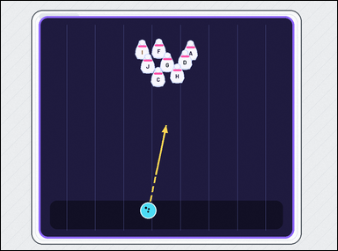 | 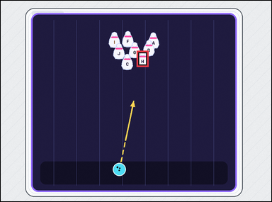 | task_games__bowling__first_pin_hit_label | first_pin_hit_label | bowling | first_pin_hit_label | This scene shows a bowling lane with a ball, labeled pins, and any shown aiming paths. The dashed arrow shows the ball's current straight path. Extend that path and identify the labeled pin reached before any other pin. Final answer format: set "answer" to the selected pin label as a string. Example JSON: {"answer":"G"} | {"answer": "H"} | This scene shows a bowling lane with a ball, labeled pins, and any shown aiming paths. The dashed arrow shows the ball's current straight path. Extend that path and identify the labeled pin reached before any other pin. Annotation format: set "annotation" to one bounding box [x0, y0, x1, y1] around the first pin hit by the shown path. Answer format: set "answer" to the selected pin label as a string. Example JSON: {"annotation":[[510,164,554,224]],"answer":"G"} | {"annotation": [[502.546, 184.839, 546.546, 244.239]], "answer": "H"} | string | bbox_set | 55940444615667 | games/bowling/task_games__bowling__first_pin_hit_label/images/first_pin_hit_label/0067.png | games/bowling/task_games__bowling__first_pin_hit_label/data/first_pin_hit_label/0067.json
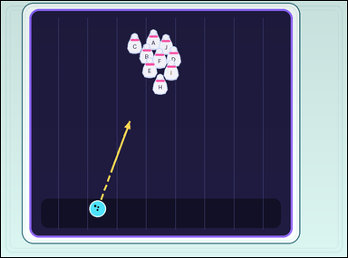 | 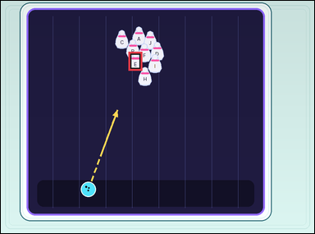 | task_games__bowling__first_pin_hit_label | first_pin_hit_label | bowling | first_pin_hit_label | The figure shows a bowling lane with a ball, labeled pins, and any shown aiming paths. The dashed arrow shows the ball's current straight path. Which labeled pin is hit first? Format for the "answer" field: set "answer" to the selected pin label as a string. Example JSON: {"answer":"G"} | {"answer": "E"} | The figure shows a bowling lane with a ball, labeled pins, and any shown aiming paths. The dashed arrow shows the ball's current straight path. Which labeled pin is hit first? Final answer format: set "answer" to the selected pin label as a string. Annotation format: set "annotation" to one bounding box [x0, y0, x1, y1] around the first pin hit by the shown path. Example JSON: {"annotation":[[510,164,554,224]],"answer":"G"} | {"annotation": [[407.862, 162.642, 451.862, 222.042]], "answer": "E"} | string | bbox_set | 106622257222403 | games/bowling/task_games__bowling__first_pin_hit_label/images/first_pin_hit_label/0038.png | games/bowling/task_games__bowling__first_pin_hit_label/data/first_pin_hit_label/0038.json
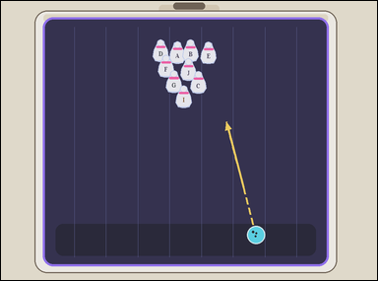 | 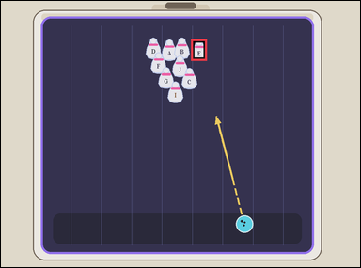 | task_games__bowling__first_pin_hit_label | first_pin_hit_label | bowling | first_pin_hit_label | The image shows a bowling lane with a ball, labeled pins, and any shown aiming paths. The dashed arrow shows the ball's current straight path. Which labeled pin will the ball hit first? Format for the "answer" field: set "answer" to the selected pin label as a string. Example JSON: {"answer":"G"} | {"answer": "E"} | The image shows a bowling lane with a ball, labeled pins, and any shown aiming paths. The dashed arrow shows the ball's current straight path. Which labeled pin will the ball hit first? Annotation format: set "annotation" to one bounding box [x0, y0, x1, y1] around the first pin hit by the shown path. Answer format: set "answer" to the selected pin label as a string. Example JSON: {"annotation":[[510,164,554,224]],"answer":"G"} | {"annotation": [[529.753, 106.931, 573.753, 166.331]], "answer": "E"} | string | bbox_set | 135170874463323 | games/bowling/task_games__bowling__first_pin_hit_label/images/first_pin_hit_label/0070.png | games/bowling/task_games__bowling__first_pin_hit_label/data/first_pin_hit_label/0070.json
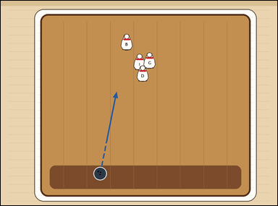 | 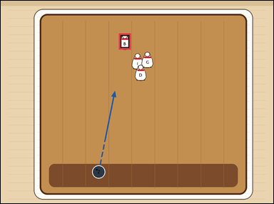 | task_games__bowling__first_pin_hit_label | first_pin_hit_label | bowling | first_pin_hit_label | The scene shows a bowling lane with a ball, labeled pins, and any shown aiming paths. The dashed arrow shows the ball's current straight path. Which labeled pin will the ball hit first? Answer field: set "answer" to the selected pin label as a string. Example JSON: {"answer":"G"} | {"answer": "B"} | The scene shows a bowling lane with a ball, labeled pins, and any shown aiming paths. The dashed arrow shows the ball's current straight path. Which labeled pin will the ball hit first? Annotation format: set "annotation" to one bounding box [x0, y0, x1, y1] around the first pin hit by the shown path. Answer format: set "answer" to the selected pin label as a string. Example JSON: {"annotation":[[510,164,554,224]],"answer":"G"} | {"annotation": [[433.392, 119.009, 477.392, 178.409]], "answer": "B"} | string | bbox_set | 219939498681858 | games/bowling/task_games__bowling__first_pin_hit_label/images/first_pin_hit_label/0090.png | games/bowling/task_games__bowling__first_pin_hit_label/data/first_pin_hit_label/0090.json
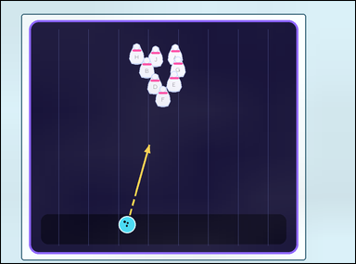 | 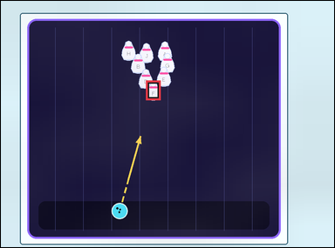 | task_games__bowling__first_pin_hit_label | first_pin_hit_label | bowling | first_pin_hit_label | The figure shows a bowling lane with a ball, labeled pins, and any shown aiming paths. The dashed arrow shows the ball's current straight path. Report the label on the first pin the ball would reach if the path continues. Required answer format: set "answer" to the selected pin label as a string. Example JSON: {"answer":"G"} | {"answer": "F"} | The figure shows a bowling lane with a ball, labeled pins, and any shown aiming paths. The dashed arrow shows the ball's current straight path. Report the label on the first pin the ball would reach if the path continues. Annotation format: set "annotation" to one bounding box [x0, y0, x1, y1] around the first pin hit by the shown path. Answer format: set "answer" to the selected pin label as a string. Example JSON: {"annotation":[[510,164,554,224]],"answer":"G"} | {"annotation": [[435.593, 239.244, 479.593, 298.644]], "answer": "F"} | string | bbox_set | 350123953565524 | games/bowling/task_games__bowling__first_pin_hit_label/images/first_pin_hit_label/0081.png | games/bowling/task_games__bowling__first_pin_hit_label/data/first_pin_hit_label/0081.json
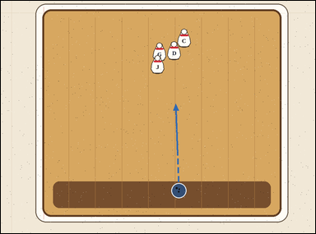 | 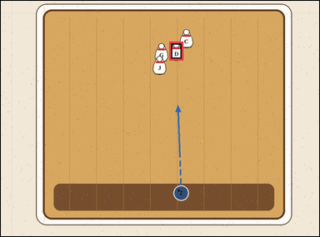 | task_games__bowling__first_pin_hit_label | first_pin_hit_label | bowling | first_pin_hit_label | The scene shows a bowling lane with a ball, labeled pins, and any shown aiming paths. The dashed arrow shows the ball's current straight path. Report the label on the first pin the ball would reach if the path continues. Format for the "answer" field: set "answer" to the selected pin label as a string. Example JSON: {"answer":"G"} | {"answer": "D"} | The scene shows a bowling lane with a ball, labeled pins, and any shown aiming paths. The dashed arrow shows the ball's current straight path. Report the label on the first pin the ball would reach if the path continues. Final answer format: set "answer" to the selected pin label as a string. Annotation format: set "annotation" to one bounding box [x0, y0, x1, y1] around the first pin hit by the shown path. Example JSON: {"annotation":[[510,164,554,224]],"answer":"G"} | {"annotation": [[529.014, 128.16, 573.014, 187.56]], "answer": "D"} | string | bbox_set | 402416092326069 | games/bowling/task_games__bowling__first_pin_hit_label/images/first_pin_hit_label/0004.png | games/bowling/task_games__bowling__first_pin_hit_label/data/first_pin_hit_label/0004.json
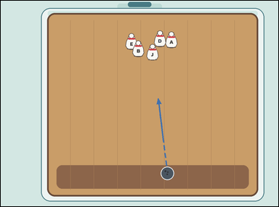 | 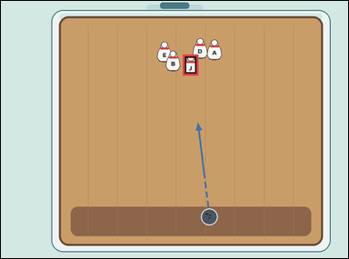 | task_games__bowling__first_pin_hit_label | first_pin_hit_label | bowling | first_pin_hit_label | The figure shows a bowling lane with a ball, labeled pins, and any shown aiming paths. The dashed arrow shows the ball's current straight path. Which labeled pin is hit first? Answer format: set "answer" to the selected pin label as a string. Example JSON: {"answer":"G"} | {"answer": "J"} | The figure shows a bowling lane with a ball, labeled pins, and any shown aiming paths. The dashed arrow shows the ball's current straight path. Which labeled pin is hit first? Required annotation format: set "annotation" to one bounding box [x0, y0, x1, y1] around the first pin hit by the shown path. Required answer format: set "answer" to the selected pin label as a string. Example JSON: {"annotation":[[510,164,554,224]],"answer":"G"} | {"annotation": [[524.804, 154.965, 568.804, 214.365]], "answer": "J"} | string | bbox_set | 516361856766978 | games/bowling/task_games__bowling__first_pin_hit_label/images/first_pin_hit_label/0082.png | games/bowling/task_games__bowling__first_pin_hit_label/data/first_pin_hit_label/0082.json
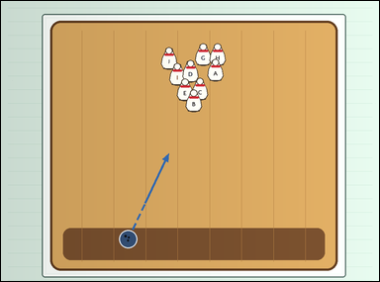 | 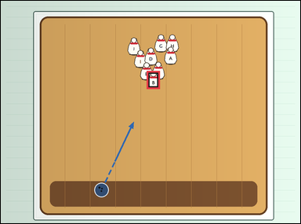 | task_games__bowling__first_pin_hit_label | first_pin_hit_label | bowling | first_pin_hit_label | The scene shows a bowling lane with a ball, labeled pins, and any shown aiming paths. The dashed arrow shows the ball's current straight path. Extend that path and identify the labeled pin reached before any other pin. Answer format: set "answer" to the selected pin label as a string. Example JSON: {"answer":"G"} | {"answer": "B"} | The scene shows a bowling lane with a ball, labeled pins, and any shown aiming paths. The dashed arrow shows the ball's current straight path. Extend that path and identify the labeled pin reached before any other pin. Required annotation format: set "annotation" to one bounding box [x0, y0, x1, y1] around the first pin hit by the shown path. Required answer format: set "answer" to the selected pin label as a string. Example JSON: {"annotation":[[510,164,554,224]],"answer":"G"} | {"annotation": [[487.957, 233.753, 531.957, 293.153]], "answer": "B"} | string | bbox_set | 692595190691445 | games/bowling/task_games__bowling__first_pin_hit_label/images/first_pin_hit_label/0065.png | games/bowling/task_games__bowling__first_pin_hit_label/data/first_pin_hit_label/0065.json
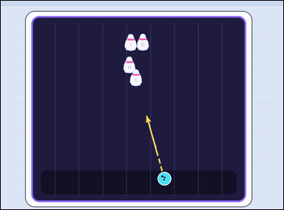 | 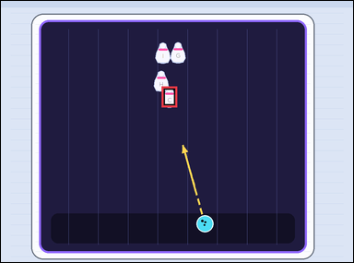 | task_games__bowling__first_pin_hit_label | first_pin_hit_label | bowling | first_pin_hit_label | This scene shows a bowling lane with a ball, labeled pins, and any shown aiming paths. The dashed arrow shows the ball's current straight path. What is the label of the first pin on that path? Answer format: set "answer" to the selected pin label as a string. Example JSON: {"answer":"G"} | {"answer": "C"} | This scene shows a bowling lane with a ball, labeled pins, and any shown aiming paths. The dashed arrow shows the ball's current straight path. What is the label of the first pin on that path? Annotation format: set "annotation" to one bounding box [x0, y0, x1, y1] around the first pin hit by the shown path. Answer format: set "answer" to the selected pin label as a string. Example JSON: {"annotation":[[510,164,554,224]],"answer":"G"} | {"annotation": [[456.573, 242.323, 500.573, 301.723]], "answer": "C"} | string | bbox_set | 802189438194729 | games/bowling/task_games__bowling__first_pin_hit_label/images/first_pin_hit_label/0042.png | games/bowling/task_games__bowling__first_pin_hit_label/data/first_pin_hit_label/0042.json
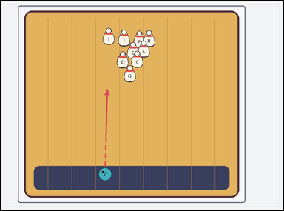 | 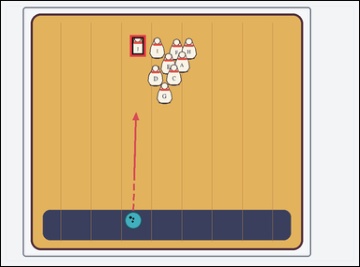 | task_games__bowling__first_pin_hit_label | first_pin_hit_label | bowling | first_pin_hit_label | The image shows a bowling lane with a ball, labeled pins, and any shown aiming paths. The dashed arrow shows the ball's current straight path. Which labeled pin is hit first? Format for the "answer" field: set "answer" to the selected pin label as a string. Example JSON: {"answer":"G"} | {"answer": "J"} | The image shows a bowling lane with a ball, labeled pins, and any shown aiming paths. The dashed arrow shows the ball's current straight path. Which labeled pin is hit first? Annotation format: set "annotation" to one bounding box [x0, y0, x1, y1] around the first pin hit by the shown path. Answer format: set "answer" to the selected pin label as a string. Example JSON: {"annotation":[[510,164,554,224]],"answer":"G"} | {"annotation": [[360.237, 95.657, 404.237, 155.057]], "answer": "J"} | string | bbox_set | 808332699920084 | games/bowling/task_games__bowling__first_pin_hit_label/images/first_pin_hit_label/0041.png | games/bowling/task_games__bowling__first_pin_hit_label/data/first_pin_hit_label/0041.json
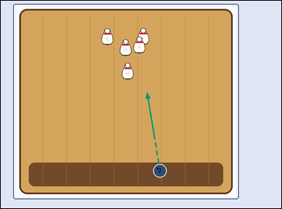 | 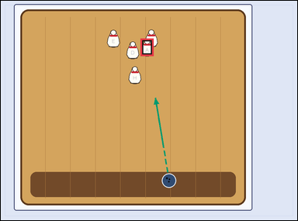 | task_games__bowling__first_pin_hit_label | first_pin_hit_label | bowling | first_pin_hit_label | The figure shows a bowling lane with a ball, labeled pins, and any shown aiming paths. The dashed arrow shows the ball's current straight path. Which labeled pin will the ball hit first? Format for the "answer" field: set "answer" to the selected pin label as a string. Example JSON: {"answer":"G"} | {"answer": "A"} | The figure shows a bowling lane with a ball, labeled pins, and any shown aiming paths. The dashed arrow shows the ball's current straight path. Which labeled pin will the ball hit first? Annotation format: set "annotation" to one bounding box [x0, y0, x1, y1] around the first pin hit by the shown path. Answer format: set "answer" to the selected pin label as a string. Example JSON: {"annotation":[[510,164,554,224]],"answer":"G"} | {"annotation": [[471.855, 127.159, 515.855, 186.559]], "answer": "A"} | string | bbox_set | 944675416341346 | games/bowling/task_games__bowling__first_pin_hit_label/images/first_pin_hit_label/0021.png | games/bowling/task_games__bowling__first_pin_hit_label/data/first_pin_hit_label/0021.json
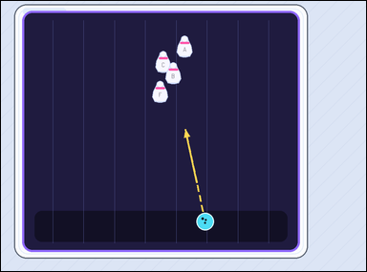 | 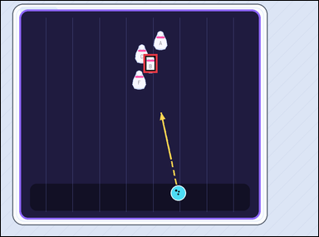 | task_games__bowling__first_pin_hit_label | first_pin_hit_label | bowling | first_pin_hit_label | The figure shows a bowling lane with a ball, labeled pins, and any shown aiming paths. The dashed arrow shows the ball's current straight path. Which labeled pin is hit first? Format for the "answer" field: set "answer" to the selected pin label as a string. Example JSON: {"answer":"G"} | {"answer": "B"} | The figure shows a bowling lane with a ball, labeled pins, and any shown aiming paths. The dashed arrow shows the ball's current straight path. Which labeled pin is hit first? Required annotation format: set "annotation" to one bounding box [x0, y0, x1, y1] around the first pin hit by the shown path. Required answer format: set "answer" to the selected pin label as a string. Example JSON: {"annotation":[[510,164,554,224]],"answer":"G"} | {"annotation": [[449.95, 167.438, 493.95, 226.838]], "answer": "B"} | string | bbox_set | 955514340672842 | games/bowling/task_games__bowling__first_pin_hit_label/images/first_pin_hit_label/0091.png | games/bowling/task_games__bowling__first_pin_hit_label/data/first_pin_hit_label/0091.json
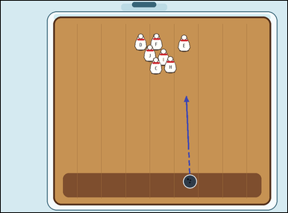 | 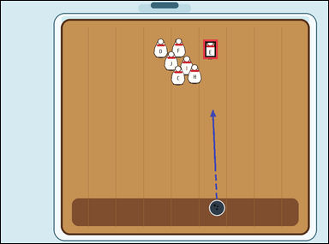 | task_games__bowling__first_pin_hit_label | first_pin_hit_label | bowling | first_pin_hit_label | The image shows a bowling lane with a ball, labeled pins, and any shown aiming paths. The dashed arrow shows the ball's current straight path. What is the label of the first pin on that path? Answer field: set "answer" to the selected pin label as a string. Example JSON: {"answer":"G"} | {"answer": "E"} | The image shows a bowling lane with a ball, labeled pins, and any shown aiming paths. The dashed arrow shows the ball's current straight path. What is the label of the first pin on that path? Final answer format: set "answer" to the selected pin label as a string. Annotation format: set "annotation" to one bounding box [x0, y0, x1, y1] around the first pin hit by the shown path. Example JSON: {"annotation":[[510,164,554,224]],"answer":"G"} | {"annotation": [[618.121, 118.29, 662.121, 177.69]], "answer": "E"} | string | bbox_set | 967437885721795 | games/bowling/task_games__bowling__first_pin_hit_label/images/first_pin_hit_label/0016.png | games/bowling/task_games__bowling__first_pin_hit_label/data/first_pin_hit_label/0016.json
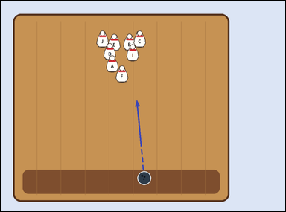 | 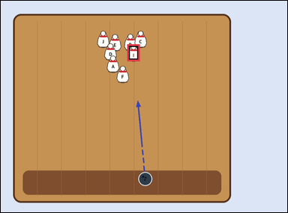 | task_games__bowling__first_pin_hit_label | first_pin_hit_label | bowling | first_pin_hit_label | The scene shows a bowling lane with a ball, labeled pins, and any shown aiming paths. The dashed arrow shows the ball's current straight path. Report the label on the first pin the ball would reach if the path continues. Answer field: set "answer" to the selected pin label as a string. Example JSON: {"answer":"G"} | {"answer": "I"} | The scene shows a bowling lane with a ball, labeled pins, and any shown aiming paths. The dashed arrow shows the ball's current straight path. Report the label on the first pin the ball would reach if the path continues. Annotation format: set "annotation" to one bounding box [x0, y0, x1, y1] around the first pin hit by the shown path. Answer format: set "answer" to the selected pin label as a string. Example JSON: {"annotation":[[510,164,554,224]],"answer":"G"} | {"annotation": [[441.518, 152.148, 485.518, 211.548]], "answer": "I"} | string | bbox_set | 1.1143032565E+15 | games/bowling/task_games__bowling__first_pin_hit_label/images/first_pin_hit_label/0040.png | games/bowling/task_games__bowling__first_pin_hit_label/data/first_pin_hit_label/0040.json
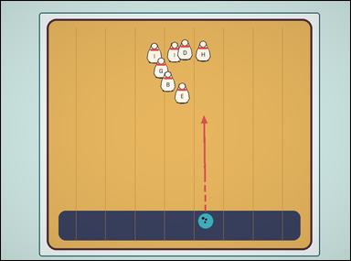 | 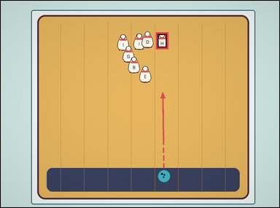 | task_games__bowling__first_pin_hit_label | first_pin_hit_label | bowling | first_pin_hit_label | This scene shows a bowling lane with a ball, labeled pins, and any shown aiming paths. The dashed arrow shows the ball's current straight path. Which labeled pin is hit first? Answer format: set "answer" to the selected pin label as a string. Example JSON: {"answer":"G"} | {"answer": "H"} | This scene shows a bowling lane with a ball, labeled pins, and any shown aiming paths. The dashed arrow shows the ball's current straight path. Which labeled pin is hit first? Annotation format: set "annotation" to one bounding box [x0, y0, x1, y1] around the first pin hit by the shown path. Answer format: set "answer" to the selected pin label as a string. Example JSON: {"annotation":[[510,164,554,224]],"answer":"G"} | {"annotation": [[557.085, 113.746, 601.085, 173.146]], "answer": "H"} | string | bbox_set | 1.1770076932E+15 | games/bowling/task_games__bowling__first_pin_hit_label/images/first_pin_hit_label/0054.png | games/bowling/task_games__bowling__first_pin_hit_label/data/first_pin_hit_label/0054.json
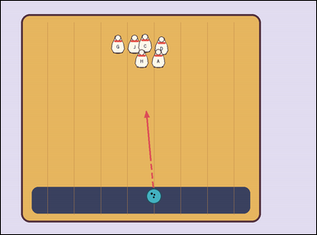 | 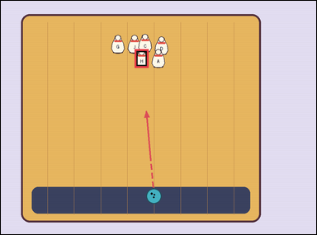 | task_games__bowling__first_pin_hit_label | first_pin_hit_label | bowling | first_pin_hit_label | This scene shows a bowling lane with a ball, labeled pins, and any shown aiming paths. The dashed arrow shows the ball's current straight path. Which labeled pin is hit first? Answer format: set "answer" to the selected pin label as a string. Example JSON: {"answer":"G"} | {"answer": "H"} | This scene shows a bowling lane with a ball, labeled pins, and any shown aiming paths. The dashed arrow shows the ball's current straight path. Which labeled pin is hit first? Annotation format: set "annotation" to one bounding box [x0, y0, x1, y1] around the first pin hit by the shown path. Answer format: set "answer" to the selected pin label as a string. Example JSON: {"annotation":[[510,164,554,224]],"answer":"G"} | {"annotation": [[424.719, 153.004, 468.719, 212.404]], "answer": "H"} | string | bbox_set | 1.1919567161E+15 | games/bowling/task_games__bowling__first_pin_hit_label/images/first_pin_hit_label/0007.png | games/bowling/task_games__bowling__first_pin_hit_label/data/first_pin_hit_label/0007.json
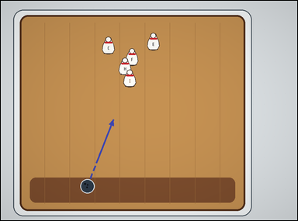 | 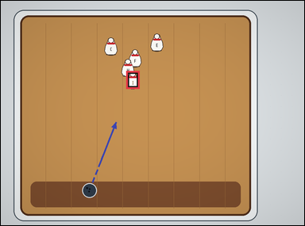 | task_games__bowling__first_pin_hit_label | first_pin_hit_label | bowling | first_pin_hit_label | The visual shows a bowling lane with a ball, labeled pins, and any shown aiming paths. The dashed arrow shows the ball's current straight path. Which labeled pin is hit first? Format for the "answer" field: set "answer" to the selected pin label as a string. Example JSON: {"answer":"G"} | {"answer": "I"} | The visual shows a bowling lane with a ball, labeled pins, and any shown aiming paths. The dashed arrow shows the ball's current straight path. Which labeled pin is hit first? Annotation format: set "annotation" to one bounding box [x0, y0, x1, y1] around the first pin hit by the shown path. Answer format: set "answer" to the selected pin label as a string. Example JSON: {"annotation":[[510,164,554,224]],"answer":"G"} | {"annotation": [[413.08, 231.348, 457.08, 290.748]], "answer": "I"} | string | bbox_set | 1.4011351725E+15 | games/bowling/task_games__bowling__first_pin_hit_label/images/first_pin_hit_label/0053.png | games/bowling/task_games__bowling__first_pin_hit_label/data/first_pin_hit_label/0053.json
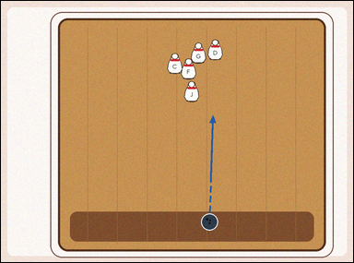 | 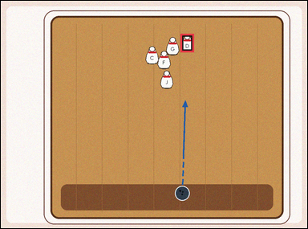 | task_games__bowling__first_pin_hit_label | first_pin_hit_label | bowling | first_pin_hit_label | The visual shows a bowling lane with a ball, labeled pins, and any shown aiming paths. The dashed arrow shows the ball's current straight path. Which labeled pin is hit first? Required answer format: set "answer" to the selected pin label as a string. Example JSON: {"answer":"G"} | {"answer": "D"} | The visual shows a bowling lane with a ball, labeled pins, and any shown aiming paths. The dashed arrow shows the ball's current straight path. Which labeled pin is hit first? Required annotation format: set "annotation" to one bounding box [x0, y0, x1, y1] around the first pin hit by the shown path. Required answer format: set "answer" to the selected pin label as a string. Example JSON: {"annotation":[[510,164,554,224]],"answer":"G"} | {"annotation": [[586.565, 107.897, 630.565, 167.297]], "answer": "D"} | string | bbox_set | 1.4147363917E+15 | games/bowling/task_games__bowling__first_pin_hit_label/images/first_pin_hit_label/0072.png | games/bowling/task_games__bowling__first_pin_hit_label/data/first_pin_hit_label/0072.json
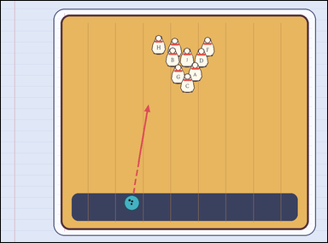 | 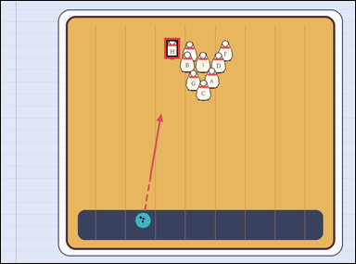 | task_games__bowling__first_pin_hit_label | first_pin_hit_label | bowling | first_pin_hit_label | The scene shows a bowling lane with a ball, labeled pins, and any shown aiming paths. The dashed arrow shows the ball's current straight path. Which labeled pin is hit first? Answer field: set "answer" to the selected pin label as a string. Example JSON: {"answer":"G"} | {"answer": "H"} | The scene shows a bowling lane with a ball, labeled pins, and any shown aiming paths. The dashed arrow shows the ball's current straight path. Which labeled pin is hit first? Annotation format: set "annotation" to one bounding box [x0, y0, x1, y1] around the first pin hit by the shown path. Answer format: set "answer" to the selected pin label as a string. Example JSON: {"annotation":[[510,164,554,224]],"answer":"G"} | {"annotation": [[461.623, 104.042, 505.623, 163.442]], "answer": "H"} | string | bbox_set | 1.4362754645E+15 | games/bowling/task_games__bowling__first_pin_hit_label/images/first_pin_hit_label/0033.png | games/bowling/task_games__bowling__first_pin_hit_label/data/first_pin_hit_label/0033.json
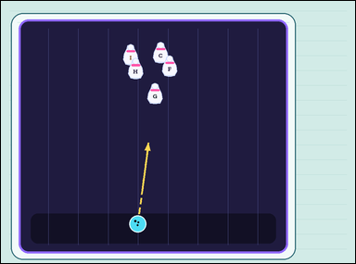 | 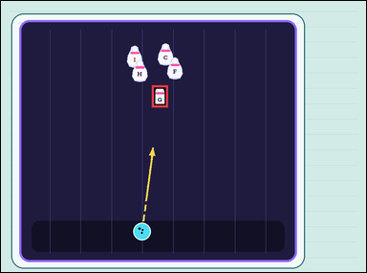 | task_games__bowling__first_pin_hit_label | first_pin_hit_label | bowling | first_pin_hit_label | The figure shows a bowling lane with a ball, labeled pins, and any shown aiming paths. The dashed arrow shows the ball's current straight path. What is the label of the first pin on that path? Format for the "answer" field: set "answer" to the selected pin label as a string. Example JSON: {"answer":"G"} | {"answer": "G"} | The figure shows a bowling lane with a ball, labeled pins, and any shown aiming paths. The dashed arrow shows the ball's current straight path. What is the label of the first pin on that path? Annotation format: set "annotation" to one bounding box [x0, y0, x1, y1] around the first pin hit by the shown path. Answer format: set "answer" to the selected pin label as a string. Example JSON: {"annotation":[[510,164,554,224]],"answer":"G"} | {"annotation": [[413.218, 230.895, 457.218, 290.295]], "answer": "G"} | string | bbox_set | 1.4886091402E+15 | games/bowling/task_games__bowling__first_pin_hit_label/images/first_pin_hit_label/0011.png | games/bowling/task_games__bowling__first_pin_hit_label/data/first_pin_hit_label/0011.json
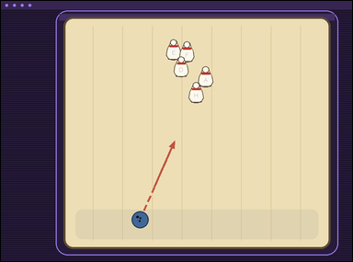 | 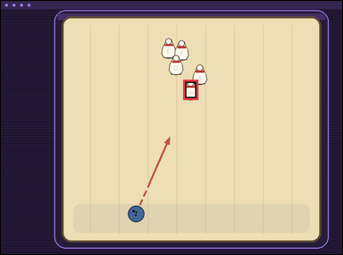 | task_games__bowling__first_pin_hit_label | first_pin_hit_label | bowling | first_pin_hit_label | The scene shows a bowling lane with a ball, labeled pins, and any shown aiming paths. The dashed arrow shows the ball's current straight path. Extend that path and identify the labeled pin reached before any other pin. Final answer format: set "answer" to the selected pin label as a string. Example JSON: {"answer":"G"} | {"answer": "H"} | The scene shows a bowling lane with a ball, labeled pins, and any shown aiming paths. The dashed arrow shows the ball's current straight path. Extend that path and identify the labeled pin reached before any other pin. Final answer format: set "answer" to the selected pin label as a string. Annotation format: set "annotation" to one bounding box [x0, y0, x1, y1] around the first pin hit by the shown path. Example JSON: {"annotation":[[510,164,554,224]],"answer":"G"} | {"annotation": [[534.21, 230.459, 578.21, 289.859]], "answer": "H"} | string | bbox_set | 1.5019819551E+15 | games/bowling/task_games__bowling__first_pin_hit_label/images/first_pin_hit_label/0023.png | games/bowling/task_games__bowling__first_pin_hit_label/data/first_pin_hit_label/0023.json
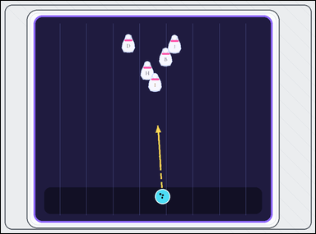 | 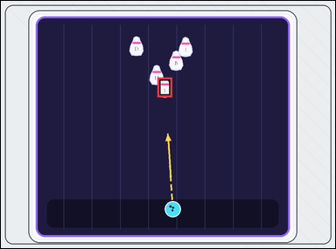 | task_games__bowling__first_pin_hit_label | first_pin_hit_label | bowling | first_pin_hit_label | The image shows a bowling lane with a ball, labeled pins, and any shown aiming paths. The dashed arrow shows the ball's current straight path. Which labeled pin is hit first? Format for the "answer" field: set "answer" to the selected pin label as a string. Example JSON: {"answer":"G"} | {"answer": "I"} | The image shows a bowling lane with a ball, labeled pins, and any shown aiming paths. The dashed arrow shows the ball's current straight path. Which labeled pin is hit first? Final answer format: set "answer" to the selected pin label as a string. Annotation format: set "annotation" to one bounding box [x0, y0, x1, y1] around the first pin hit by the shown path. Example JSON: {"annotation":[[510,164,554,224]],"answer":"G"} | {"annotation": [[468.487, 229.412, 512.487, 288.812]], "answer": "I"} | string | bbox_set | 1.5594508332E+15 | games/bowling/task_games__bowling__first_pin_hit_label/images/first_pin_hit_label/0031.png | games/bowling/task_games__bowling__first_pin_hit_label/data/first_pin_hit_label/0031.json
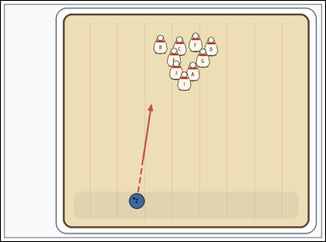 | 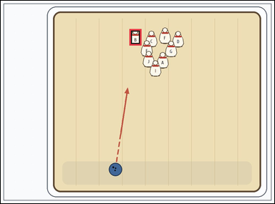 | task_games__bowling__first_pin_hit_label | first_pin_hit_label | bowling | first_pin_hit_label | The image shows a bowling lane with a ball, labeled pins, and any shown aiming paths. The dashed arrow shows the ball's current straight path. Report the label on the first pin the ball would reach if the path continues. Format for the "answer" field: set "answer" to the selected pin label as a string. Example JSON: {"answer":"G"} | {"answer": "B"} | The image shows a bowling lane with a ball, labeled pins, and any shown aiming paths. The dashed arrow shows the ball's current straight path. Report the label on the first pin the ball would reach if the path continues. Annotation format: set "annotation" to one bounding box [x0, y0, x1, y1] around the first pin hit by the shown path. Answer format: set "answer" to the selected pin label as a string. Example JSON: {"annotation":[[510,164,554,224]],"answer":"G"} | {"annotation": [[470.221, 103.816, 514.221, 163.216]], "answer": "B"} | string | bbox_set | 1.5616473946E+15 | games/bowling/task_games__bowling__first_pin_hit_label/images/first_pin_hit_label/0093.png | games/bowling/task_games__bowling__first_pin_hit_label/data/first_pin_hit_label/0093.json
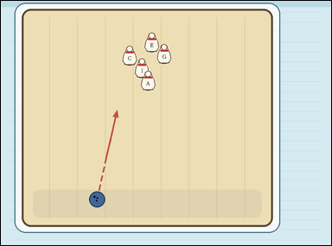 | 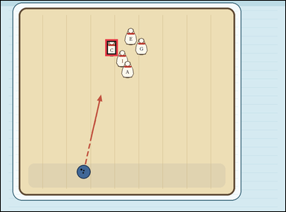 | task_games__bowling__first_pin_hit_label | first_pin_hit_label | bowling | first_pin_hit_label | The figure shows a bowling lane with a ball, labeled pins, and any shown aiming paths. The dashed arrow shows the ball's current straight path. Extend that path and identify the labeled pin reached before any other pin. Format for the "answer" field: set "answer" to the selected pin label as a string. Example JSON: {"answer":"G"} | {"answer": "C"} | The figure shows a bowling lane with a ball, labeled pins, and any shown aiming paths. The dashed arrow shows the ball's current straight path. Extend that path and identify the labeled pin reached before any other pin. Required annotation format: set "annotation" to one bounding box [x0, y0, x1, y1] around the first pin hit by the shown path. Required answer format: set "answer" to the selected pin label as a string. Example JSON: {"annotation":[[510,164,554,224]],"answer":"G"} | {"annotation": [[367.909, 135.402, 411.909, 194.802]], "answer": "C"} | string | bbox_set | 1.6146067689E+15 | games/bowling/task_games__bowling__first_pin_hit_label/images/first_pin_hit_label/0084.png | games/bowling/task_games__bowling__first_pin_hit_label/data/first_pin_hit_label/0084.json
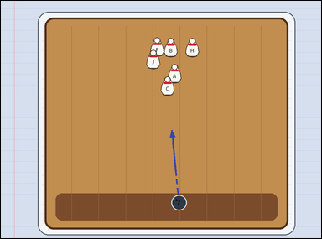 | 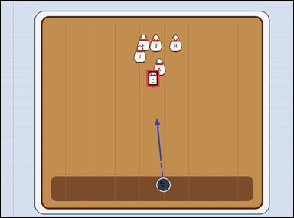 | task_games__bowling__first_pin_hit_label | first_pin_hit_label | bowling | first_pin_hit_label | The figure shows a bowling lane with a ball, labeled pins, and any shown aiming paths. The dashed arrow shows the ball's current straight path. What is the label of the first pin on that path? Answer format: set "answer" to the selected pin label as a string. Example JSON: {"answer":"G"} | {"answer": "C"} | The figure shows a bowling lane with a ball, labeled pins, and any shown aiming paths. The dashed arrow shows the ball's current straight path. What is the label of the first pin on that path? Required annotation format: set "annotation" to one bounding box [x0, y0, x1, y1] around the first pin hit by the shown path. Required answer format: set "answer" to the selected pin label as a string. Example JSON: {"annotation":[[510,164,554,224]],"answer":"G"} | {"annotation": [[498.482, 235.032, 542.482, 294.432]], "answer": "C"} | string | bbox_set | 1.6864328832E+15 | games/bowling/task_games__bowling__first_pin_hit_label/images/first_pin_hit_label/0073.png | games/bowling/task_games__bowling__first_pin_hit_label/data/first_pin_hit_label/0073.json
 |  | task_games__bowling__first_pin_hit_label | first_pin_hit_label | bowling | first_pin_hit_label | The visual shows a bowling lane with a ball, labeled pins, and any shown aiming paths. The dashed arrow shows the ball's current straight path. What is the label of the first pin on that path? Format for the "answer" field: set "answer" to the selected pin label as a string. Example JSON: {"answer":"G"} | {"answer": "A"} | The visual shows a bowling lane with a ball, labeled pins, and any shown aiming paths. The dashed arrow shows the ball's current straight path. What is the label of the first pin on that path? Final answer format: set "answer" to the selected pin label as a string. Annotation format: set "annotation" to one bounding box [x0, y0, x1, y1] around the first pin hit by the shown path. Example JSON: {"annotation":[[510,164,554,224]],"answer":"G"} | {"annotation": [[343.004, 96.309, 387.004, 155.709]], "answer": "A"} | string | bbox_set | 1.8005660859E+15 | games/bowling/task_games__bowling__first_pin_hit_label/images/first_pin_hit_label/0097.png | games/bowling/task_games__bowling__first_pin_hit_label/data/first_pin_hit_label/0097.json
 |  | task_games__bowling__first_pin_hit_label | first_pin_hit_label | bowling | first_pin_hit_label | The figure shows a bowling lane with a ball, labeled pins, and any shown aiming paths. The dashed arrow shows the ball's current straight path. Which labeled pin is hit first? Answer field: set "answer" to the selected pin label as a string. Example JSON: {"answer":"G"} | {"answer": "F"} | The figure shows a bowling lane with a ball, labeled pins, and any shown aiming paths. The dashed arrow shows the ball's current straight path. Which labeled pin is hit first? Annotation format: set "annotation" to one bounding box [x0, y0, x1, y1] around the first pin hit by the shown path. Answer format: set "answer" to the selected pin label as a string. Example JSON: {"annotation":[[510,164,554,224]],"answer":"G"} | {"annotation": [[427.092, 217.178, 471.092, 276.578]], "answer": "F"} | string | bbox_set | 1.801198208E+15 | games/bowling/task_games__bowling__first_pin_hit_label/images/first_pin_hit_label/0037.png | games/bowling/task_games__bowling__first_pin_hit_label/data/first_pin_hit_label/0037.json
 |  | task_games__bowling__first_pin_hit_label | first_pin_hit_label | bowling | first_pin_hit_label | The figure shows a bowling lane with a ball, labeled pins, and any shown aiming paths. The dashed arrow shows the ball's current straight path. Report the label on the first pin the ball would reach if the path continues. Answer field: set "answer" to the selected pin label as a string. Example JSON: {"answer":"G"} | {"answer": "A"} | The figure shows a bowling lane with a ball, labeled pins, and any shown aiming paths. The dashed arrow shows the ball's current straight path. Report the label on the first pin the ball would reach if the path continues. Final answer format: set "answer" to the selected pin label as a string. Annotation format: set "annotation" to one bounding box [x0, y0, x1, y1] around the first pin hit by the shown path. Example JSON: {"annotation":[[510,164,554,224]],"answer":"G"} | {"annotation": [[408.515, 206.319, 452.515, 265.719]], "answer": "A"} | string | bbox_set | 1.8877694568E+15 | games/bowling/task_games__bowling__first_pin_hit_label/images/first_pin_hit_label/0094.png | games/bowling/task_games__bowling__first_pin_hit_label/data/first_pin_hit_label/0094.json
 |  | task_games__bowling__first_pin_hit_label | first_pin_hit_label | bowling | first_pin_hit_label | The image shows a bowling lane with a ball, labeled pins, and any shown aiming paths. The dashed arrow shows the ball's current straight path. What is the label of the first pin on that path? Answer field: set "answer" to the selected pin label as a string. Example JSON: {"answer":"G"} | {"answer": "A"} | The image shows a bowling lane with a ball, labeled pins, and any shown aiming paths. The dashed arrow shows the ball's current straight path. What is the label of the first pin on that path? Required annotation format: set "annotation" to one bounding box [x0, y0, x1, y1] around the first pin hit by the shown path. Required answer format: set "answer" to the selected pin label as a string. Example JSON: {"annotation":[[510,164,554,224]],"answer":"G"} | {"annotation": [[486.561, 206.844, 530.561, 266.244]], "answer": "A"} | string | bbox_set | 1.9571823625E+15 | games/bowling/task_games__bowling__first_pin_hit_label/images/first_pin_hit_label/0018.png | games/bowling/task_games__bowling__first_pin_hit_label/data/first_pin_hit_label/0018.json
 |  | task_games__bowling__first_pin_hit_label | first_pin_hit_label | bowling | first_pin_hit_label | The image shows a bowling lane with a ball, labeled pins, and any shown aiming paths. The dashed arrow shows the ball's current straight path. Which labeled pin is hit first? Format for the "answer" field: set "answer" to the selected pin label as a string. Example JSON: {"answer":"G"} | {"answer": "G"} | The image shows a bowling lane with a ball, labeled pins, and any shown aiming paths. The dashed arrow shows the ball's current straight path. Which labeled pin is hit first? Annotation format: set "annotation" to one bounding box [x0, y0, x1, y1] around the first pin hit by the shown path. Answer format: set "answer" to the selected pin label as a string. Example JSON: {"annotation":[[510,164,554,224]],"answer":"G"} | {"annotation": [[426.89, 130.387, 470.89, 189.787]], "answer": "G"} | string | bbox_set | 1.9801015734E+15 | games/bowling/task_games__bowling__first_pin_hit_label/images/first_pin_hit_label/0086.png | games/bowling/task_games__bowling__first_pin_hit_label/data/first_pin_hit_label/0086.json
 |  | task_games__bowling__first_pin_hit_label | first_pin_hit_label | bowling | first_pin_hit_label | The image shows a bowling lane with a ball, labeled pins, and any shown aiming paths. The dashed arrow shows the ball's current straight path. Extend that path and identify the labeled pin reached before any other pin. Format for the "answer" field: set "answer" to the selected pin label as a string. Example JSON: {"answer":"G"} | {"answer": "B"} | The image shows a bowling lane with a ball, labeled pins, and any shown aiming paths. The dashed arrow shows the ball's current straight path. Extend that path and identify the labeled pin reached before any other pin. Annotation format: set "annotation" to one bounding box [x0, y0, x1, y1] around the first pin hit by the shown path. Answer format: set "answer" to the selected pin label as a string. Example JSON: {"annotation":[[510,164,554,224]],"answer":"G"} | {"annotation": [[354.778, 156.967, 398.778, 216.367]], "answer": "B"} | string | bbox_set | 2.0518448148E+15 | games/bowling/task_games__bowling__first_pin_hit_label/images/first_pin_hit_label/0074.png | games/bowling/task_games__bowling__first_pin_hit_label/data/first_pin_hit_label/0074.json
 |  | task_games__bowling__first_pin_hit_label | first_pin_hit_label | bowling | first_pin_hit_label | The image shows a bowling lane with a ball, labeled pins, and any shown aiming paths. The dashed arrow shows the ball's current straight path. What is the label of the first pin on that path? Answer format: set "answer" to the selected pin label as a string. Example JSON: {"answer":"G"} | {"answer": "E"} | The image shows a bowling lane with a ball, labeled pins, and any shown aiming paths. The dashed arrow shows the ball's current straight path. What is the label of the first pin on that path? Annotation format: set "annotation" to one bounding box [x0, y0, x1, y1] around the first pin hit by the shown path. Answer format: set "answer" to the selected pin label as a string. Example JSON: {"annotation":[[510,164,554,224]],"answer":"G"} | {"annotation": [[393.624, 184.23, 437.624, 243.63]], "answer": "E"} | string | bbox_set | 2.1433877059E+15 | games/bowling/task_games__bowling__first_pin_hit_label/images/first_pin_hit_label/0005.png | games/bowling/task_games__bowling__first_pin_hit_label/data/first_pin_hit_label/0005.json
 |  | task_games__bowling__first_pin_hit_label | first_pin_hit_label | bowling | first_pin_hit_label | The scene shows a bowling lane with a ball, labeled pins, and any shown aiming paths. The dashed arrow shows the ball's current straight path. Extend that path and identify the labeled pin reached before any other pin. Answer field: set "answer" to the selected pin label as a string. Example JSON: {"answer":"G"} | {"answer": "G"} | The scene shows a bowling lane with a ball, labeled pins, and any shown aiming paths. The dashed arrow shows the ball's current straight path. Extend that path and identify the labeled pin reached before any other pin. Final answer format: set "answer" to the selected pin label as a string. Annotation format: set "annotation" to one bounding box [x0, y0, x1, y1] around the first pin hit by the shown path. Example JSON: {"annotation":[[510,164,554,224]],"answer":"G"} | {"annotation": [[574.195, 179.327, 618.195, 238.727]], "answer": "G"} | string | bbox_set | 2.161785646E+15 | games/bowling/task_games__bowling__first_pin_hit_label/images/first_pin_hit_label/0080.png | games/bowling/task_games__bowling__first_pin_hit_label/data/first_pin_hit_label/0080.json
 |  | task_games__bowling__first_pin_hit_label | first_pin_hit_label | bowling | first_pin_hit_label | The scene shows a bowling lane with a ball, labeled pins, and any shown aiming paths. The dashed arrow shows the ball's current straight path. Extend that path and identify the labeled pin reached before any other pin. Format for the "answer" field: set "answer" to the selected pin label as a string. Example JSON: {"answer":"G"} | {"answer": "J"} | The scene shows a bowling lane with a ball, labeled pins, and any shown aiming paths. The dashed arrow shows the ball's current straight path. Extend that path and identify the labeled pin reached before any other pin. Annotation format: set "annotation" to one bounding box [x0, y0, x1, y1] around the first pin hit by the shown path. Answer format: set "answer" to the selected pin label as a string. Example JSON: {"annotation":[[510,164,554,224]],"answer":"G"} | {"annotation": [[442.263, 206.065, 486.263, 265.465]], "answer": "J"} | string | bbox_set | 2.1667297527E+15 | games/bowling/task_games__bowling__first_pin_hit_label/images/first_pin_hit_label/0078.png | games/bowling/task_games__bowling__first_pin_hit_label/data/first_pin_hit_label/0078.json
 |  | task_games__bowling__first_pin_hit_label | first_pin_hit_label | bowling | first_pin_hit_label | The figure shows a bowling lane with a ball, labeled pins, and any shown aiming paths. The dashed arrow shows the ball's current straight path. Which labeled pin will the ball hit first? Final answer format: set "answer" to the selected pin label as a string. Example JSON: {"answer":"G"} | {"answer": "H"} | The figure shows a bowling lane with a ball, labeled pins, and any shown aiming paths. The dashed arrow shows the ball's current straight path. Which labeled pin will the ball hit first? Annotation format: set "annotation" to one bounding box [x0, y0, x1, y1] around the first pin hit by the shown path. Answer format: set "answer" to the selected pin label as a string. Example JSON: {"annotation":[[510,164,554,224]],"answer":"G"} | {"annotation": [[471.187, 246.101, 515.187, 305.501]], "answer": "H"} | string | bbox_set | 2.1820321805E+15 | games/bowling/task_games__bowling__first_pin_hit_label/images/first_pin_hit_label/0050.png | games/bowling/task_games__bowling__first_pin_hit_label/data/first_pin_hit_label/0050.json
 |  | task_games__bowling__first_pin_hit_label | first_pin_hit_label | bowling | first_pin_hit_label | The image shows a bowling lane with a ball, labeled pins, and any shown aiming paths. The dashed arrow shows the ball's current straight path. What is the label of the first pin on that path? Answer field: set "answer" to the selected pin label as a string. Example JSON: {"answer":"G"} | {"answer": "J"} | The image shows a bowling lane with a ball, labeled pins, and any shown aiming paths. The dashed arrow shows the ball's current straight path. What is the label of the first pin on that path? Final answer format: set "answer" to the selected pin label as a string. Annotation format: set "annotation" to one bounding box [x0, y0, x1, y1] around the first pin hit by the shown path. Example JSON: {"annotation":[[510,164,554,224]],"answer":"G"} | {"annotation": [[559.92, 151.936, 603.92, 211.336]], "answer": "J"} | string | bbox_set | 2.2205237049E+15 | games/bowling/task_games__bowling__first_pin_hit_label/images/first_pin_hit_label/0049.png | games/bowling/task_games__bowling__first_pin_hit_label/data/first_pin_hit_label/0049.json
 |  | task_games__bowling__first_pin_hit_label | first_pin_hit_label | bowling | first_pin_hit_label | The visual shows a bowling lane with a ball, labeled pins, and any shown aiming paths. The dashed arrow shows the ball's current straight path. What is the label of the first pin on that path? Required answer format: set "answer" to the selected pin label as a string. Example JSON: {"answer":"G"} | {"answer": "G"} | The visual shows a bowling lane with a ball, labeled pins, and any shown aiming paths. The dashed arrow shows the ball's current straight path. What is the label of the first pin on that path? Annotation format: set "annotation" to one bounding box [x0, y0, x1, y1] around the first pin hit by the shown path. Answer format: set "answer" to the selected pin label as a string. Example JSON: {"annotation":[[510,164,554,224]],"answer":"G"} | {"annotation": [[479.272, 170.374, 523.272, 229.774]], "answer": "G"} | string | bbox_set | 2.3636975226E+15 | games/bowling/task_games__bowling__first_pin_hit_label/images/first_pin_hit_label/0001.png | games/bowling/task_games__bowling__first_pin_hit_label/data/first_pin_hit_label/0001.json
 |  | task_games__bowling__first_pin_hit_label | first_pin_hit_label | bowling | first_pin_hit_label | The figure shows a bowling lane with a ball, labeled pins, and any shown aiming paths. The dashed arrow shows the ball's current straight path. What is the label of the first pin on that path? Format for the "answer" field: set "answer" to the selected pin label as a string. Example JSON: {"answer":"G"} | {"answer": "I"} | The figure shows a bowling lane with a ball, labeled pins, and any shown aiming paths. The dashed arrow shows the ball's current straight path. What is the label of the first pin on that path? Final answer format: set "answer" to the selected pin label as a string. Annotation format: set "annotation" to one bounding box [x0, y0, x1, y1] around the first pin hit by the shown path. Example JSON: {"annotation":[[510,164,554,224]],"answer":"G"} | {"annotation": [[508.814, 222.047, 552.814, 281.447]], "answer": "I"} | string | bbox_set | 2.4292982393E+15 | games/bowling/task_games__bowling__first_pin_hit_label/images/first_pin_hit_label/0087.png | games/bowling/task_games__bowling__first_pin_hit_label/data/first_pin_hit_label/0087.json
 |  | task_games__bowling__first_pin_hit_label | first_pin_hit_label | bowling | first_pin_hit_label | The visual shows a bowling lane with a ball, labeled pins, and any shown aiming paths. The dashed arrow shows the ball's current straight path. Extend that path and identify the labeled pin reached before any other pin. Answer format: set "answer" to the selected pin label as a string. Example JSON: {"answer":"G"} | {"answer": "D"} | The visual shows a bowling lane with a ball, labeled pins, and any shown aiming paths. The dashed arrow shows the ball's current straight path. Extend that path and identify the labeled pin reached before any other pin. Annotation format: set "annotation" to one bounding box [x0, y0, x1, y1] around the first pin hit by the shown path. Answer format: set "answer" to the selected pin label as a string. Example JSON: {"annotation":[[510,164,554,224]],"answer":"G"} | {"annotation": [[535.197, 180.041, 579.197, 239.441]], "answer": "D"} | string | bbox_set | 2.5048754675E+15 | games/bowling/task_games__bowling__first_pin_hit_label/images/first_pin_hit_label/0006.png | games/bowling/task_games__bowling__first_pin_hit_label/data/first_pin_hit_label/0006.json
 |  | task_games__bowling__first_pin_hit_label | first_pin_hit_label | bowling | first_pin_hit_label | The visual shows a bowling lane with a ball, labeled pins, and any shown aiming paths. The dashed arrow shows the ball's current straight path. Extend that path and identify the labeled pin reached before any other pin. Answer field: set "answer" to the selected pin label as a string. Example JSON: {"answer":"G"} | {"answer": "A"} | The visual shows a bowling lane with a ball, labeled pins, and any shown aiming paths. The dashed arrow shows the ball's current straight path. Extend that path and identify the labeled pin reached before any other pin. Annotation format: set "annotation" to one bounding box [x0, y0, x1, y1] around the first pin hit by the shown path. Answer format: set "answer" to the selected pin label as a string. Example JSON: {"annotation":[[510,164,554,224]],"answer":"G"} | {"annotation": [[466.214, 186.75, 510.214, 246.15]], "answer": "A"} | string | bbox_set | 2.6209223069E+15 | games/bowling/task_games__bowling__first_pin_hit_label/images/first_pin_hit_label/0048.png | games/bowling/task_games__bowling__first_pin_hit_label/data/first_pin_hit_label/0048.json
 |  | task_games__bowling__first_pin_hit_label | first_pin_hit_label | bowling | first_pin_hit_label | The visual shows a bowling lane with a ball, labeled pins, and any shown aiming paths. The dashed arrow shows the ball's current straight path. Which labeled pin is hit first? Answer field: set "answer" to the selected pin label as a string. Example JSON: {"answer":"G"} | {"answer": "G"} | The visual shows a bowling lane with a ball, labeled pins, and any shown aiming paths. The dashed arrow shows the ball's current straight path. Which labeled pin is hit first? Required annotation format: set "annotation" to one bounding box [x0, y0, x1, y1] around the first pin hit by the shown path. Required answer format: set "answer" to the selected pin label as a string. Example JSON: {"annotation":[[510,164,554,224]],"answer":"G"} | {"annotation": [[358.517, 133.275, 402.517, 192.675]], "answer": "G"} | string | bbox_set | 2.6648811009E+15 | games/bowling/task_games__bowling__first_pin_hit_label/images/first_pin_hit_label/0063.png | games/bowling/task_games__bowling__first_pin_hit_label/data/first_pin_hit_label/0063.json
 |  | task_games__bowling__first_pin_hit_label | first_pin_hit_label | bowling | first_pin_hit_label | The scene shows a bowling lane with a ball, labeled pins, and any shown aiming paths. The dashed arrow shows the ball's current straight path. What is the label of the first pin on that path? Answer format: set "answer" to the selected pin label as a string. Example JSON: {"answer":"G"} | {"answer": "E"} | The scene shows a bowling lane with a ball, labeled pins, and any shown aiming paths. The dashed arrow shows the ball's current straight path. What is the label of the first pin on that path? Final answer format: set "answer" to the selected pin label as a string. Annotation format: set "annotation" to one bounding box [x0, y0, x1, y1] around the first pin hit by the shown path. Example JSON: {"annotation":[[510,164,554,224]],"answer":"G"} | {"annotation": [[551.065, 102.558, 595.065, 161.958]], "answer": "E"} | string | bbox_set | 2.7015598536E+15 | games/bowling/task_games__bowling__first_pin_hit_label/images/first_pin_hit_label/0055.png | games/bowling/task_games__bowling__first_pin_hit_label/data/first_pin_hit_label/0055.json
 |  | task_games__bowling__first_pin_hit_label | first_pin_hit_label | bowling | first_pin_hit_label | The figure shows a bowling lane with a ball, labeled pins, and any shown aiming paths. The dashed arrow shows the ball's current straight path. Report the label on the first pin the ball would reach if the path continues. Required answer format: set "answer" to the selected pin label as a string. Example JSON: {"answer":"G"} | {"answer": "C"} | The figure shows a bowling lane with a ball, labeled pins, and any shown aiming paths. The dashed arrow shows the ball's current straight path. Report the label on the first pin the ball would reach if the path continues. Annotation format: set "annotation" to one bounding box [x0, y0, x1, y1] around the first pin hit by the shown path. Answer format: set "answer" to the selected pin label as a string. Example JSON: {"annotation":[[510,164,554,224]],"answer":"G"} | {"annotation": [[486.168, 233.024, 530.168, 292.424]], "answer": "C"} | string | bbox_set | 2.7363224999E+15 | games/bowling/task_games__bowling__first_pin_hit_label/images/first_pin_hit_label/0052.png | games/bowling/task_games__bowling__first_pin_hit_label/data/first_pin_hit_label/0052.json
 |  | task_games__bowling__first_pin_hit_label | first_pin_hit_label | bowling | first_pin_hit_label | The figure shows a bowling lane with a ball, labeled pins, and any shown aiming paths. The dashed arrow shows the ball's current straight path. Which labeled pin is hit first? Format for the "answer" field: set "answer" to the selected pin label as a string. Example JSON: {"answer":"G"} | {"answer": "B"} | The figure shows a bowling lane with a ball, labeled pins, and any shown aiming paths. The dashed arrow shows the ball's current straight path. Which labeled pin is hit first? Annotation format: set "annotation" to one bounding box [x0, y0, x1, y1] around the first pin hit by the shown path. Answer format: set "answer" to the selected pin label as a string. Example JSON: {"annotation":[[510,164,554,224]],"answer":"G"} | {"annotation": [[404.186, 185.71, 448.186, 245.11]], "answer": "B"} | string | bbox_set | 2.9451198158E+15 | games/bowling/task_games__bowling__first_pin_hit_label/images/first_pin_hit_label/0062.png | games/bowling/task_games__bowling__first_pin_hit_label/data/first_pin_hit_label/0062.json
 |  | task_games__bowling__first_pin_hit_label | first_pin_hit_label | bowling | first_pin_hit_label | The image shows a bowling lane with a ball, labeled pins, and any shown aiming paths. The dashed arrow shows the ball's current straight path. Extend that path and identify the labeled pin reached before any other pin. Final answer format: set "answer" to the selected pin label as a string. Example JSON: {"answer":"G"} | {"answer": "F"} | The image shows a bowling lane with a ball, labeled pins, and any shown aiming paths. The dashed arrow shows the ball's current straight path. Extend that path and identify the labeled pin reached before any other pin. Final answer format: set "answer" to the selected pin label as a string. Annotation format: set "annotation" to one bounding box [x0, y0, x1, y1] around the first pin hit by the shown path. Example JSON: {"annotation":[[510,164,554,224]],"answer":"G"} | {"annotation": [[344.721, 91.137, 388.721, 150.537]], "answer": "F"} | string | bbox_set | 3.4370571711E+15 | games/bowling/task_games__bowling__first_pin_hit_label/images/first_pin_hit_label/0002.png | games/bowling/task_games__bowling__first_pin_hit_label/data/first_pin_hit_label/0002.json
 |  | task_games__bowling__first_pin_hit_label | first_pin_hit_label | bowling | first_pin_hit_label | The scene shows a bowling lane with a ball, labeled pins, and any shown aiming paths. The dashed arrow shows the ball's current straight path. Report the label on the first pin the ball would reach if the path continues. Answer format: set "answer" to the selected pin label as a string. Example JSON: {"answer":"G"} | {"answer": "B"} | The scene shows a bowling lane with a ball, labeled pins, and any shown aiming paths. The dashed arrow shows the ball's current straight path. Report the label on the first pin the ball would reach if the path continues. Final answer format: set "answer" to the selected pin label as a string. Annotation format: set "annotation" to one bounding box [x0, y0, x1, y1] around the first pin hit by the shown path. Example JSON: {"annotation":[[510,164,554,224]],"answer":"G"} | {"annotation": [[396.678, 228.886, 440.678, 288.286]], "answer": "B"} | string | bbox_set | 3.4524342959E+15 | games/bowling/task_games__bowling__first_pin_hit_label/images/first_pin_hit_label/0046.png | games/bowling/task_games__bowling__first_pin_hit_label/data/first_pin_hit_label/0046.json
 |  | task_games__bowling__first_pin_hit_label | first_pin_hit_label | bowling | first_pin_hit_label | This scene shows a bowling lane with a ball, labeled pins, and any shown aiming paths. The dashed arrow shows the ball's current straight path. Which labeled pin is hit first? Final answer format: set "answer" to the selected pin label as a string. Example JSON: {"answer":"G"} | {"answer": "G"} | This scene shows a bowling lane with a ball, labeled pins, and any shown aiming paths. The dashed arrow shows the ball's current straight path. Which labeled pin is hit first? Annotation format: set "annotation" to one bounding box [x0, y0, x1, y1] around the first pin hit by the shown path. Answer format: set "answer" to the selected pin label as a string. Example JSON: {"annotation":[[510,164,554,224]],"answer":"G"} | {"annotation": [[495.48, 230.513, 539.48, 289.913]], "answer": "G"} | string | bbox_set | 3.5851476928E+15 | games/bowling/task_games__bowling__first_pin_hit_label/images/first_pin_hit_label/0045.png | games/bowling/task_games__bowling__first_pin_hit_label/data/first_pin_hit_label/0045.json
 |  | task_games__bowling__first_pin_hit_label | first_pin_hit_label | bowling | first_pin_hit_label | This scene shows a bowling lane with a ball, labeled pins, and any shown aiming paths. The dashed arrow shows the ball's current straight path. Which labeled pin will the ball hit first? Required answer format: set "answer" to the selected pin label as a string. Example JSON: {"answer":"G"} | {"answer": "B"} | This scene shows a bowling lane with a ball, labeled pins, and any shown aiming paths. The dashed arrow shows the ball's current straight path. Which labeled pin will the ball hit first? Annotation format: set "annotation" to one bounding box [x0, y0, x1, y1] around the first pin hit by the shown path. Answer format: set "answer" to the selected pin label as a string. Example JSON: {"annotation":[[510,164,554,224]],"answer":"G"} | {"annotation": [[398.043, 173.523, 442.043, 232.923]], "answer": "B"} | string | bbox_set | 3.6578972125E+15 | games/bowling/task_games__bowling__first_pin_hit_label/images/first_pin_hit_label/0098.png | games/bowling/task_games__bowling__first_pin_hit_label/data/first_pin_hit_label/0098.json
 |  | task_games__bowling__first_pin_hit_label | first_pin_hit_label | bowling | first_pin_hit_label | The scene shows a bowling lane with a ball, labeled pins, and any shown aiming paths. The dashed arrow shows the ball's current straight path. What is the label of the first pin on that path? Answer field: set "answer" to the selected pin label as a string. Example JSON: {"answer":"G"} | {"answer": "H"} | The scene shows a bowling lane with a ball, labeled pins, and any shown aiming paths. The dashed arrow shows the ball's current straight path. What is the label of the first pin on that path? Annotation format: set "annotation" to one bounding box [x0, y0, x1, y1] around the first pin hit by the shown path. Answer format: set "answer" to the selected pin label as a string. Example JSON: {"annotation":[[510,164,554,224]],"answer":"G"} | {"annotation": [[514.044, 224.981, 558.044, 284.381]], "answer": "H"} | string | bbox_set | 3.6790657869E+15 | games/bowling/task_games__bowling__first_pin_hit_label/images/first_pin_hit_label/0012.png | games/bowling/task_games__bowling__first_pin_hit_label/data/first_pin_hit_label/0012.json
 |  | task_games__bowling__first_pin_hit_label | first_pin_hit_label | bowling | first_pin_hit_label | The scene shows a bowling lane with a ball, labeled pins, and any shown aiming paths. The dashed arrow shows the ball's current straight path. Report the label on the first pin the ball would reach if the path continues. Answer field: set "answer" to the selected pin label as a string. Example JSON: {"answer":"G"} | {"answer": "E"} | The scene shows a bowling lane with a ball, labeled pins, and any shown aiming paths. The dashed arrow shows the ball's current straight path. Report the label on the first pin the ball would reach if the path continues. Annotation format: set "annotation" to one bounding box [x0, y0, x1, y1] around the first pin hit by the shown path. Answer format: set "answer" to the selected pin label as a string. Example JSON: {"annotation":[[510,164,554,224]],"answer":"G"} | {"annotation": [[460.903, 214.683, 504.903, 274.083]], "answer": "E"} | string | bbox_set | 3.6887114643E+15 | games/bowling/task_games__bowling__first_pin_hit_label/images/first_pin_hit_label/0030.png | games/bowling/task_games__bowling__first_pin_hit_label/data/first_pin_hit_label/0030.json
 |  | task_games__bowling__first_pin_hit_label | first_pin_hit_label | bowling | first_pin_hit_label | This scene shows a bowling lane with a ball, labeled pins, and any shown aiming paths. The dashed arrow shows the ball's current straight path. Which labeled pin is hit first? Answer format: set "answer" to the selected pin label as a string. Example JSON: {"answer":"G"} | {"answer": "B"} | This scene shows a bowling lane with a ball, labeled pins, and any shown aiming paths. The dashed arrow shows the ball's current straight path. Which labeled pin is hit first? Required annotation format: set "annotation" to one bounding box [x0, y0, x1, y1] around the first pin hit by the shown path. Required answer format: set "answer" to the selected pin label as a string. Example JSON: {"annotation":[[510,164,554,224]],"answer":"G"} | {"annotation": [[632.152, 104.236, 676.152, 163.636]], "answer": "B"} | string | bbox_set | 3.7406597704E+15 | games/bowling/task_games__bowling__first_pin_hit_label/images/first_pin_hit_label/0044.png | games/bowling/task_games__bowling__first_pin_hit_label/data/first_pin_hit_label/0044.json
 |  | task_games__bowling__first_pin_hit_label | first_pin_hit_label | bowling | first_pin_hit_label | The image shows a bowling lane with a ball, labeled pins, and any shown aiming paths. The dashed arrow shows the ball's current straight path. Which labeled pin is hit first? Required answer format: set "answer" to the selected pin label as a string. Example JSON: {"answer":"G"} | {"answer": "C"} | The image shows a bowling lane with a ball, labeled pins, and any shown aiming paths. The dashed arrow shows the ball's current straight path. Which labeled pin is hit first? Annotation format: set "annotation" to one bounding box [x0, y0, x1, y1] around the first pin hit by the shown path. Answer format: set "answer" to the selected pin label as a string. Example JSON: {"annotation":[[510,164,554,224]],"answer":"G"} | {"annotation": [[534.611, 224.528, 578.611, 283.928]], "answer": "C"} | string | bbox_set | 3.8101952898E+15 | games/bowling/task_games__bowling__first_pin_hit_label/images/first_pin_hit_label/0000.png | games/bowling/task_games__bowling__first_pin_hit_label/data/first_pin_hit_label/0000.json
 |  | task_games__bowling__first_pin_hit_label | first_pin_hit_label | bowling | first_pin_hit_label | The visual shows a bowling lane with a ball, labeled pins, and any shown aiming paths. The dashed arrow shows the ball's current straight path. Report the label on the first pin the ball would reach if the path continues. Answer format: set "answer" to the selected pin label as a string. Example JSON: {"answer":"G"} | {"answer": "D"} | The visual shows a bowling lane with a ball, labeled pins, and any shown aiming paths. The dashed arrow shows the ball's current straight path. Report the label on the first pin the ball would reach if the path continues. Annotation format: set "annotation" to one bounding box [x0, y0, x1, y1] around the first pin hit by the shown path. Answer format: set "answer" to the selected pin label as a string. Example JSON: {"annotation":[[510,164,554,224]],"answer":"G"} | {"annotation": [[553.191, 133.898, 597.191, 193.298]], "answer": "D"} | string | bbox_set | 4.0154956246E+15 | games/bowling/task_games__bowling__first_pin_hit_label/images/first_pin_hit_label/0092.png | games/bowling/task_games__bowling__first_pin_hit_label/data/first_pin_hit_label/0092.json
 |  | task_games__bowling__first_pin_hit_label | first_pin_hit_label | bowling | first_pin_hit_label | The scene shows a bowling lane with a ball, labeled pins, and any shown aiming paths. The dashed arrow shows the ball's current straight path. Which labeled pin is hit first? Answer field: set "answer" to the selected pin label as a string. Example JSON: {"answer":"G"} | {"answer": "J"} | The scene shows a bowling lane with a ball, labeled pins, and any shown aiming paths. The dashed arrow shows the ball's current straight path. Which labeled pin is hit first? Final answer format: set "answer" to the selected pin label as a string. Annotation format: set "annotation" to one bounding box [x0, y0, x1, y1] around the first pin hit by the shown path. Example JSON: {"annotation":[[510,164,554,224]],"answer":"G"} | {"annotation": [[382.428, 149.131, 426.428, 208.531]], "answer": "J"} | string | bbox_set | 4.0862408576E+15 | games/bowling/task_games__bowling__first_pin_hit_label/images/first_pin_hit_label/0088.png | games/bowling/task_games__bowling__first_pin_hit_label/data/first_pin_hit_label/0088.json
 |  | task_games__bowling__first_pin_hit_label | first_pin_hit_label | bowling | first_pin_hit_label | This scene shows a bowling lane with a ball, labeled pins, and any shown aiming paths. The dashed arrow shows the ball's current straight path. What is the label of the first pin on that path? Answer format: set "answer" to the selected pin label as a string. Example JSON: {"answer":"G"} | {"answer": "J"} | This scene shows a bowling lane with a ball, labeled pins, and any shown aiming paths. The dashed arrow shows the ball's current straight path. What is the label of the first pin on that path? Annotation format: set "annotation" to one bounding box [x0, y0, x1, y1] around the first pin hit by the shown path. Answer format: set "answer" to the selected pin label as a string. Example JSON: {"annotation":[[510,164,554,224]],"answer":"G"} | {"annotation": [[581.839, 152.492, 625.839, 211.892]], "answer": "J"} | string | bbox_set | 4.1496444806E+15 | games/bowling/task_games__bowling__first_pin_hit_label/images/first_pin_hit_label/0068.png | games/bowling/task_games__bowling__first_pin_hit_label/data/first_pin_hit_label/0068.json
 |  | task_games__bowling__first_pin_hit_label | first_pin_hit_label | bowling | first_pin_hit_label | This scene shows a bowling lane with a ball, labeled pins, and any shown aiming paths. The dashed arrow shows the ball's current straight path. What is the label of the first pin on that path? Final answer format: set "answer" to the selected pin label as a string. Example JSON: {"answer":"G"} | {"answer": "A"} | This scene shows a bowling lane with a ball, labeled pins, and any shown aiming paths. The dashed arrow shows the ball's current straight path. What is the label of the first pin on that path? Annotation format: set "annotation" to one bounding box [x0, y0, x1, y1] around the first pin hit by the shown path. Answer format: set "answer" to the selected pin label as a string. Example JSON: {"annotation":[[510,164,554,224]],"answer":"G"} | {"annotation": [[476.683, 163.849, 520.683, 223.249]], "answer": "A"} | string | bbox_set | 4.2180207281E+15 | games/bowling/task_games__bowling__first_pin_hit_label/images/first_pin_hit_label/0096.png | games/bowling/task_games__bowling__first_pin_hit_label/data/first_pin_hit_label/0096.json
 |  | task_games__bowling__first_pin_hit_label | first_pin_hit_label | bowling | first_pin_hit_label | This scene shows a bowling lane with a ball, labeled pins, and any shown aiming paths. The dashed arrow shows the ball's current straight path. Report the label on the first pin the ball would reach if the path continues. Final answer format: set "answer" to the selected pin label as a string. Example JSON: {"answer":"G"} | {"answer": "F"} | This scene shows a bowling lane with a ball, labeled pins, and any shown aiming paths. The dashed arrow shows the ball's current straight path. Report the label on the first pin the ball would reach if the path continues. Final answer format: set "answer" to the selected pin label as a string. Annotation format: set "annotation" to one bounding box [x0, y0, x1, y1] around the first pin hit by the shown path. Example JSON: {"annotation":[[510,164,554,224]],"answer":"G"} | {"annotation": [[504.094, 227.007, 548.094, 286.407]], "answer": "F"} | string | bbox_set | 4.3371449628E+15 | games/bowling/task_games__bowling__first_pin_hit_label/images/first_pin_hit_label/0027.png | games/bowling/task_games__bowling__first_pin_hit_label/data/first_pin_hit_label/0027.json
 |  | task_games__bowling__first_pin_hit_label | first_pin_hit_label | bowling | first_pin_hit_label | The scene shows a bowling lane with a ball, labeled pins, and any shown aiming paths. The dashed arrow shows the ball's current straight path. What is the label of the first pin on that path? Answer field: set "answer" to the selected pin label as a string. Example JSON: {"answer":"G"} | {"answer": "G"} | The scene shows a bowling lane with a ball, labeled pins, and any shown aiming paths. The dashed arrow shows the ball's current straight path. What is the label of the first pin on that path? Required annotation format: set "annotation" to one bounding box [x0, y0, x1, y1] around the first pin hit by the shown path. Required answer format: set "answer" to the selected pin label as a string. Example JSON: {"annotation":[[510,164,554,224]],"answer":"G"} | {"annotation": [[435.534, 235.724, 479.534, 295.124]], "answer": "G"} | string | bbox_set | 4.3989587929E+15 | games/bowling/task_games__bowling__first_pin_hit_label/images/first_pin_hit_label/0085.png | games/bowling/task_games__bowling__first_pin_hit_label/data/first_pin_hit_label/0085.json
 |  | task_games__bowling__first_pin_hit_label | first_pin_hit_label | bowling | first_pin_hit_label | This scene shows a bowling lane with a ball, labeled pins, and any shown aiming paths. The dashed arrow shows the ball's current straight path. Which labeled pin will the ball hit first? Answer field: set "answer" to the selected pin label as a string. Example JSON: {"answer":"G"} | {"answer": "E"} | This scene shows a bowling lane with a ball, labeled pins, and any shown aiming paths. The dashed arrow shows the ball's current straight path. Which labeled pin will the ball hit first? Final answer format: set "answer" to the selected pin label as a string. Annotation format: set "annotation" to one bounding box [x0, y0, x1, y1] around the first pin hit by the shown path. Example JSON: {"annotation":[[510,164,554,224]],"answer":"G"} | {"annotation": [[440.916, 127.787, 484.916, 187.187]], "answer": "E"} | string | bbox_set | 4.8815504664E+15 | games/bowling/task_games__bowling__first_pin_hit_label/images/first_pin_hit_label/0017.png | games/bowling/task_games__bowling__first_pin_hit_label/data/first_pin_hit_label/0017.json
 |  | task_games__bowling__first_pin_hit_label | first_pin_hit_label | bowling | first_pin_hit_label | The scene shows a bowling lane with a ball, labeled pins, and any shown aiming paths. The dashed arrow shows the ball's current straight path. Extend that path and identify the labeled pin reached before any other pin. Format for the "answer" field: set "answer" to the selected pin label as a string. Example JSON: {"answer":"G"} | {"answer": "E"} | The scene shows a bowling lane with a ball, labeled pins, and any shown aiming paths. The dashed arrow shows the ball's current straight path. Extend that path and identify the labeled pin reached before any other pin. Annotation format: set "annotation" to one bounding box [x0, y0, x1, y1] around the first pin hit by the shown path. Answer format: set "answer" to the selected pin label as a string. Example JSON: {"annotation":[[510,164,554,224]],"answer":"G"} | {"annotation": [[421.007, 131.691, 465.007, 191.091]], "answer": "E"} | string | bbox_set | 4.9275472145E+15 | games/bowling/task_games__bowling__first_pin_hit_label/images/first_pin_hit_label/0034.png | games/bowling/task_games__bowling__first_pin_hit_label/data/first_pin_hit_label/0034.json
 |  | task_games__bowling__first_pin_hit_label | first_pin_hit_label | bowling | first_pin_hit_label | The figure shows a bowling lane with a ball, labeled pins, and any shown aiming paths. The dashed arrow shows the ball's current straight path. Which labeled pin will the ball hit first? Required answer format: set "answer" to the selected pin label as a string. Example JSON: {"answer":"G"} | {"answer": "H"} | The figure shows a bowling lane with a ball, labeled pins, and any shown aiming paths. The dashed arrow shows the ball's current straight path. Which labeled pin will the ball hit first? Annotation format: set "annotation" to one bounding box [x0, y0, x1, y1] around the first pin hit by the shown path. Answer format: set "answer" to the selected pin label as a string. Example JSON: {"annotation":[[510,164,554,224]],"answer":"G"} | {"annotation": [[504.807, 218.446, 548.807, 277.846]], "answer": "H"} | string | bbox_set | 4.9511173706E+15 | games/bowling/task_games__bowling__first_pin_hit_label/images/first_pin_hit_label/0009.png | games/bowling/task_games__bowling__first_pin_hit_label/data/first_pin_hit_label/0009.json
 |  | task_games__bowling__first_pin_hit_label | first_pin_hit_label | bowling | first_pin_hit_label | The visual shows a bowling lane with a ball, labeled pins, and any shown aiming paths. The dashed arrow shows the ball's current straight path. Report the label on the first pin the ball would reach if the path continues. Answer field: set "answer" to the selected pin label as a string. Example JSON: {"answer":"G"} | {"answer": "G"} | The visual shows a bowling lane with a ball, labeled pins, and any shown aiming paths. The dashed arrow shows the ball's current straight path. Report the label on the first pin the ball would reach if the path continues. Final answer format: set "answer" to the selected pin label as a string. Annotation format: set "annotation" to one bounding box [x0, y0, x1, y1] around the first pin hit by the shown path. Example JSON: {"annotation":[[510,164,554,224]],"answer":"G"} | {"annotation": [[411.976, 180.507, 455.976, 239.907]], "answer": "G"} | string | bbox_set | 5.1241030948E+15 | games/bowling/task_games__bowling__first_pin_hit_label/images/first_pin_hit_label/0057.png | games/bowling/task_games__bowling__first_pin_hit_label/data/first_pin_hit_label/0057.json
 |  | task_games__bowling__first_pin_hit_label | first_pin_hit_label | bowling | first_pin_hit_label | The figure shows a bowling lane with a ball, labeled pins, and any shown aiming paths. The dashed arrow shows the ball's current straight path. Which labeled pin is hit first? Answer field: set "answer" to the selected pin label as a string. Example JSON: {"answer":"G"} | {"answer": "H"} | The figure shows a bowling lane with a ball, labeled pins, and any shown aiming paths. The dashed arrow shows the ball's current straight path. Which labeled pin is hit first? Annotation format: set "annotation" to one bounding box [x0, y0, x1, y1] around the first pin hit by the shown path. Answer format: set "answer" to the selected pin label as a string. Example JSON: {"annotation":[[510,164,554,224]],"answer":"G"} | {"annotation": [[430.932, 230.361, 474.932, 289.761]], "answer": "H"} | string | bbox_set | 5.1304321695E+15 | games/bowling/task_games__bowling__first_pin_hit_label/images/first_pin_hit_label/0061.png | games/bowling/task_games__bowling__first_pin_hit_label/data/first_pin_hit_label/0061.json
 |  | task_games__bowling__first_pin_hit_label | first_pin_hit_label | bowling | first_pin_hit_label | This scene shows a bowling lane with a ball, labeled pins, and any shown aiming paths. The dashed arrow shows the ball's current straight path. Which labeled pin is hit first? Required answer format: set "answer" to the selected pin label as a string. Example JSON: {"answer":"G"} | {"answer": "I"} | This scene shows a bowling lane with a ball, labeled pins, and any shown aiming paths. The dashed arrow shows the ball's current straight path. Which labeled pin is hit first? Annotation format: set "annotation" to one bounding box [x0, y0, x1, y1] around the first pin hit by the shown path. Answer format: set "answer" to the selected pin label as a string. Example JSON: {"annotation":[[510,164,554,224]],"answer":"G"} | {"annotation": [[347.659, 120.053, 391.659, 179.453]], "answer": "I"} | string | bbox_set | 5.399720755E+15 | games/bowling/task_games__bowling__first_pin_hit_label/images/first_pin_hit_label/0036.png | games/bowling/task_games__bowling__first_pin_hit_label/data/first_pin_hit_label/0036.json
 |  | task_games__bowling__first_pin_hit_label | first_pin_hit_label | bowling | first_pin_hit_label | The visual shows a bowling lane with a ball, labeled pins, and any shown aiming paths. The dashed arrow shows the ball's current straight path. What is the label of the first pin on that path? Final answer format: set "answer" to the selected pin label as a string. Example JSON: {"answer":"G"} | {"answer": "D"} | The visual shows a bowling lane with a ball, labeled pins, and any shown aiming paths. The dashed arrow shows the ball's current straight path. What is the label of the first pin on that path? Annotation format: set "annotation" to one bounding box [x0, y0, x1, y1] around the first pin hit by the shown path. Answer format: set "answer" to the selected pin label as a string. Example JSON: {"annotation":[[510,164,554,224]],"answer":"G"} | {"annotation": [[389.914, 202.001, 433.914, 261.401]], "answer": "D"} | string | bbox_set | 5.4128178516E+15 | games/bowling/task_games__bowling__first_pin_hit_label/images/first_pin_hit_label/0064.png | games/bowling/task_games__bowling__first_pin_hit_label/data/first_pin_hit_label/0064.json
 |  | task_games__bowling__first_pin_hit_label | first_pin_hit_label | bowling | first_pin_hit_label | The figure shows a bowling lane with a ball, labeled pins, and any shown aiming paths. The dashed arrow shows the ball's current straight path. Which labeled pin is hit first? Required answer format: set "answer" to the selected pin label as a string. Example JSON: {"answer":"G"} | {"answer": "E"} | The figure shows a bowling lane with a ball, labeled pins, and any shown aiming paths. The dashed arrow shows the ball's current straight path. Which labeled pin is hit first? Required annotation format: set "annotation" to one bounding box [x0, y0, x1, y1] around the first pin hit by the shown path. Required answer format: set "answer" to the selected pin label as a string. Example JSON: {"annotation":[[510,164,554,224]],"answer":"G"} | {"annotation": [[588.586, 193.723, 632.586, 253.123]], "answer": "E"} | string | bbox_set | 5.5209607695E+15 | games/bowling/task_games__bowling__first_pin_hit_label/images/first_pin_hit_label/0035.png | games/bowling/task_games__bowling__first_pin_hit_label/data/first_pin_hit_label/0035.json
 |  | task_games__bowling__first_pin_hit_label | first_pin_hit_label | bowling | first_pin_hit_label | The scene shows a bowling lane with a ball, labeled pins, and any shown aiming paths. The dashed arrow shows the ball's current straight path. Which labeled pin is hit first? Format for the "answer" field: set "answer" to the selected pin label as a string. Example JSON: {"answer":"G"} | {"answer": "I"} | The scene shows a bowling lane with a ball, labeled pins, and any shown aiming paths. The dashed arrow shows the ball's current straight path. Which labeled pin is hit first? Final answer format: set "answer" to the selected pin label as a string. Annotation format: set "annotation" to one bounding box [x0, y0, x1, y1] around the first pin hit by the shown path. Example JSON: {"annotation":[[510,164,554,224]],"answer":"G"} | {"annotation": [[404.013, 228.597, 448.013, 287.997]], "answer": "I"} | string | bbox_set | 5.6349689322E+15 | games/bowling/task_games__bowling__first_pin_hit_label/images/first_pin_hit_label/0077.png | games/bowling/task_games__bowling__first_pin_hit_label/data/first_pin_hit_label/0077.json
 |  | task_games__bowling__first_pin_hit_label | first_pin_hit_label | bowling | first_pin_hit_label | The scene shows a bowling lane with a ball, labeled pins, and any shown aiming paths. The dashed arrow shows the ball's current straight path. Extend that path and identify the labeled pin reached before any other pin. Answer format: set "answer" to the selected pin label as a string. Example JSON: {"answer":"G"} | {"answer": "I"} | The scene shows a bowling lane with a ball, labeled pins, and any shown aiming paths. The dashed arrow shows the ball's current straight path. Extend that path and identify the labeled pin reached before any other pin. Annotation format: set "annotation" to one bounding box [x0, y0, x1, y1] around the first pin hit by the shown path. Answer format: set "answer" to the selected pin label as a string. Example JSON: {"annotation":[[510,164,554,224]],"answer":"G"} | {"annotation": [[564.0, 195.253, 608.0, 254.653]], "answer": "I"} | string | bbox_set | 5.7256977135E+15 | games/bowling/task_games__bowling__first_pin_hit_label/images/first_pin_hit_label/0026.png | games/bowling/task_games__bowling__first_pin_hit_label/data/first_pin_hit_label/0026.json
 |  | task_games__bowling__first_pin_hit_label | first_pin_hit_label | bowling | first_pin_hit_label | The visual shows a bowling lane with a ball, labeled pins, and any shown aiming paths. The dashed arrow shows the ball's current straight path. Which labeled pin is hit first? Format for the "answer" field: set "answer" to the selected pin label as a string. Example JSON: {"answer":"G"} | {"answer": "I"} | The visual shows a bowling lane with a ball, labeled pins, and any shown aiming paths. The dashed arrow shows the ball's current straight path. Which labeled pin is hit first? Final answer format: set "answer" to the selected pin label as a string. Annotation format: set "annotation" to one bounding box [x0, y0, x1, y1] around the first pin hit by the shown path. Example JSON: {"annotation":[[510,164,554,224]],"answer":"G"} | {"annotation": [[437.799, 199.527, 481.799, 258.927]], "answer": "I"} | string | bbox_set | 5.8336078686E+15 | games/bowling/task_games__bowling__first_pin_hit_label/images/first_pin_hit_label/0083.png | games/bowling/task_games__bowling__first_pin_hit_label/data/first_pin_hit_label/0083.json
 |  | task_games__bowling__first_pin_hit_label | first_pin_hit_label | bowling | first_pin_hit_label | This scene shows a bowling lane with a ball, labeled pins, and any shown aiming paths. The dashed arrow shows the ball's current straight path. Extend that path and identify the labeled pin reached before any other pin. Final answer format: set "answer" to the selected pin label as a string. Example JSON: {"answer":"G"} | {"answer": "H"} | This scene shows a bowling lane with a ball, labeled pins, and any shown aiming paths. The dashed arrow shows the ball's current straight path. Extend that path and identify the labeled pin reached before any other pin. Annotation format: set "annotation" to one bounding box [x0, y0, x1, y1] around the first pin hit by the shown path. Answer format: set "answer" to the selected pin label as a string. Example JSON: {"annotation":[[510,164,554,224]],"answer":"G"} | {"annotation": [[360.959, 151.803, 404.959, 211.203]], "answer": "H"} | string | bbox_set | 5.8546706018E+15 | games/bowling/task_games__bowling__first_pin_hit_label/images/first_pin_hit_label/0022.png | games/bowling/task_games__bowling__first_pin_hit_label/data/first_pin_hit_label/0022.json
 |  | task_games__bowling__first_pin_hit_label | first_pin_hit_label | bowling | first_pin_hit_label | The scene shows a bowling lane with a ball, labeled pins, and any shown aiming paths. The dashed arrow shows the ball's current straight path. Which labeled pin is hit first? Required answer format: set "answer" to the selected pin label as a string. Example JSON: {"answer":"G"} | {"answer": "I"} | The scene shows a bowling lane with a ball, labeled pins, and any shown aiming paths. The dashed arrow shows the ball's current straight path. Which labeled pin is hit first? Annotation format: set "annotation" to one bounding box [x0, y0, x1, y1] around the first pin hit by the shown path. Answer format: set "answer" to the selected pin label as a string. Example JSON: {"annotation":[[510,164,554,224]],"answer":"G"} | {"annotation": [[320.924, 109.595, 364.924, 168.995]], "answer": "I"} | string | bbox_set | 5.8848481027E+15 | games/bowling/task_games__bowling__first_pin_hit_label/images/first_pin_hit_label/0059.png | games/bowling/task_games__bowling__first_pin_hit_label/data/first_pin_hit_label/0059.json
 |  | task_games__bowling__first_pin_hit_label | first_pin_hit_label | bowling | first_pin_hit_label | The figure shows a bowling lane with a ball, labeled pins, and any shown aiming paths. The dashed arrow shows the ball's current straight path. Which labeled pin is hit first? Required answer format: set "answer" to the selected pin label as a string. Example JSON: {"answer":"G"} | {"answer": "J"} | The figure shows a bowling lane with a ball, labeled pins, and any shown aiming paths. The dashed arrow shows the ball's current straight path. Which labeled pin is hit first? Annotation format: set "annotation" to one bounding box [x0, y0, x1, y1] around the first pin hit by the shown path. Answer format: set "answer" to the selected pin label as a string. Example JSON: {"annotation":[[510,164,554,224]],"answer":"G"} | {"annotation": [[479.305, 182.056, 523.305, 241.456]], "answer": "J"} | string | bbox_set | 6.0911040117E+15 | games/bowling/task_games__bowling__first_pin_hit_label/images/first_pin_hit_label/0020.png | games/bowling/task_games__bowling__first_pin_hit_label/data/first_pin_hit_label/0020.json
 |  | task_games__bowling__first_pin_hit_label | first_pin_hit_label | bowling | first_pin_hit_label | The visual shows a bowling lane with a ball, labeled pins, and any shown aiming paths. The dashed arrow shows the ball's current straight path. Which labeled pin is hit first? Final answer format: set "answer" to the selected pin label as a string. Example JSON: {"answer":"G"} | {"answer": "I"} | The visual shows a bowling lane with a ball, labeled pins, and any shown aiming paths. The dashed arrow shows the ball's current straight path. Which labeled pin is hit first? Final answer format: set "answer" to the selected pin label as a string. Annotation format: set "annotation" to one bounding box [x0, y0, x1, y1] around the first pin hit by the shown path. Example JSON: {"annotation":[[510,164,554,224]],"answer":"G"} | {"annotation": [[413.209, 215.06, 457.209, 274.46]], "answer": "I"} | string | bbox_set | 6.1217825332E+15 | games/bowling/task_games__bowling__first_pin_hit_label/images/first_pin_hit_label/0056.png | games/bowling/task_games__bowling__first_pin_hit_label/data/first_pin_hit_label/0056.json
 |  | task_games__bowling__first_pin_hit_label | first_pin_hit_label | bowling | first_pin_hit_label | The visual shows a bowling lane with a ball, labeled pins, and any shown aiming paths. The dashed arrow shows the ball's current straight path. Report the label on the first pin the ball would reach if the path continues. Final answer format: set "answer" to the selected pin label as a string. Example JSON: {"answer":"G"} | {"answer": "J"} | The visual shows a bowling lane with a ball, labeled pins, and any shown aiming paths. The dashed arrow shows the ball's current straight path. Report the label on the first pin the ball would reach if the path continues. Final answer format: set "answer" to the selected pin label as a string. Annotation format: set "annotation" to one bounding box [x0, y0, x1, y1] around the first pin hit by the shown path. Example JSON: {"annotation":[[510,164,554,224]],"answer":"G"} | {"annotation": [[613.407, 95.912, 657.407, 155.312]], "answer": "J"} | string | bbox_set | 6.1414698307E+15 | games/bowling/task_games__bowling__first_pin_hit_label/images/first_pin_hit_label/0010.png | games/bowling/task_games__bowling__first_pin_hit_label/data/first_pin_hit_label/0010.json
 |  | task_games__bowling__first_pin_hit_label | first_pin_hit_label | bowling | first_pin_hit_label | The scene shows a bowling lane with a ball, labeled pins, and any shown aiming paths. The dashed arrow shows the ball's current straight path. Extend that path and identify the labeled pin reached before any other pin. Format for the "answer" field: set "answer" to the selected pin label as a string. Example JSON: {"answer":"G"} | {"answer": "A"} | The scene shows a bowling lane with a ball, labeled pins, and any shown aiming paths. The dashed arrow shows the ball's current straight path. Extend that path and identify the labeled pin reached before any other pin. Annotation format: set "annotation" to one bounding box [x0, y0, x1, y1] around the first pin hit by the shown path. Answer format: set "answer" to the selected pin label as a string. Example JSON: {"annotation":[[510,164,554,224]],"answer":"G"} | {"annotation": [[532.276, 108.941, 576.276, 168.341]], "answer": "A"} | string | bbox_set | 6.2214480005E+15 | games/bowling/task_games__bowling__first_pin_hit_label/images/first_pin_hit_label/0079.png | games/bowling/task_games__bowling__first_pin_hit_label/data/first_pin_hit_label/0079.json
 |  | task_games__bowling__first_pin_hit_label | first_pin_hit_label | bowling | first_pin_hit_label | This scene shows a bowling lane with a ball, labeled pins, and any shown aiming paths. The dashed arrow shows the ball's current straight path. What is the label of the first pin on that path? Answer format: set "answer" to the selected pin label as a string. Example JSON: {"answer":"G"} | {"answer": "C"} | This scene shows a bowling lane with a ball, labeled pins, and any shown aiming paths. The dashed arrow shows the ball's current straight path. What is the label of the first pin on that path? Required annotation format: set "annotation" to one bounding box [x0, y0, x1, y1] around the first pin hit by the shown path. Required answer format: set "answer" to the selected pin label as a string. Example JSON: {"annotation":[[510,164,554,224]],"answer":"G"} | {"annotation": [[440.984, 185.011, 484.984, 244.411]], "answer": "C"} | string | bbox_set | 6.2822780544E+15 | games/bowling/task_games__bowling__first_pin_hit_label/images/first_pin_hit_label/0008.png | games/bowling/task_games__bowling__first_pin_hit_label/data/first_pin_hit_label/0008.json
 |  | task_games__bowling__first_pin_hit_label | first_pin_hit_label | bowling | first_pin_hit_label | The visual shows a bowling lane with a ball, labeled pins, and any shown aiming paths. The dashed arrow shows the ball's current straight path. Which labeled pin will the ball hit first? Answer field: set "answer" to the selected pin label as a string. Example JSON: {"answer":"G"} | {"answer": "J"} | The visual shows a bowling lane with a ball, labeled pins, and any shown aiming paths. The dashed arrow shows the ball's current straight path. Which labeled pin will the ball hit first? Annotation format: set "annotation" to one bounding box [x0, y0, x1, y1] around the first pin hit by the shown path. Answer format: set "answer" to the selected pin label as a string. Example JSON: {"annotation":[[510,164,554,224]],"answer":"G"} | {"annotation": [[428.871, 174.614, 472.871, 234.014]], "answer": "J"} | string | bbox_set | 6.4690177688E+15 | games/bowling/task_games__bowling__first_pin_hit_label/images/first_pin_hit_label/0095.png | games/bowling/task_games__bowling__first_pin_hit_label/data/first_pin_hit_label/0095.json
 |  | task_games__bowling__first_pin_hit_label | first_pin_hit_label | bowling | first_pin_hit_label | This scene shows a bowling lane with a ball, labeled pins, and any shown aiming paths. The dashed arrow shows the ball's current straight path. Which labeled pin is hit first? Answer format: set "answer" to the selected pin label as a string. Example JSON: {"answer":"G"} | {"answer": "G"} | This scene shows a bowling lane with a ball, labeled pins, and any shown aiming paths. The dashed arrow shows the ball's current straight path. Which labeled pin is hit first? Annotation format: set "annotation" to one bounding box [x0, y0, x1, y1] around the first pin hit by the shown path. Answer format: set "answer" to the selected pin label as a string. Example JSON: {"annotation":[[510,164,554,224]],"answer":"G"} | {"annotation": [[471.369, 234.438, 515.369, 293.838]], "answer": "G"} | string | bbox_set | 6.4958142371E+15 | games/bowling/task_games__bowling__first_pin_hit_label/images/first_pin_hit_label/0060.png | games/bowling/task_games__bowling__first_pin_hit_label/data/first_pin_hit_label/0060.json
 |  | task_games__bowling__first_pin_hit_label | first_pin_hit_label | bowling | first_pin_hit_label | The figure shows a bowling lane with a ball, labeled pins, and any shown aiming paths. The dashed arrow shows the ball's current straight path. Extend that path and identify the labeled pin reached before any other pin. Required answer format: set "answer" to the selected pin label as a string. Example JSON: {"answer":"G"} | {"answer": "G"} | The figure shows a bowling lane with a ball, labeled pins, and any shown aiming paths. The dashed arrow shows the ball's current straight path. Extend that path and identify the labeled pin reached before any other pin. Annotation format: set "annotation" to one bounding box [x0, y0, x1, y1] around the first pin hit by the shown path. Answer format: set "answer" to the selected pin label as a string. Example JSON: {"annotation":[[510,164,554,224]],"answer":"G"} | {"annotation": [[471.752, 225.193, 515.752, 284.593]], "answer": "G"} | string | bbox_set | 6.5619218632E+15 | games/bowling/task_games__bowling__first_pin_hit_label/images/first_pin_hit_label/0066.png | games/bowling/task_games__bowling__first_pin_hit_label/data/first_pin_hit_label/0066.json
 |  | task_games__bowling__first_pin_hit_label | first_pin_hit_label | bowling | first_pin_hit_label | This scene shows a bowling lane with a ball, labeled pins, and any shown aiming paths. The dashed arrow shows the ball's current straight path. Extend that path and identify the labeled pin reached before any other pin. Required answer format: set "answer" to the selected pin label as a string. Example JSON: {"answer":"G"} | {"answer": "B"} | This scene shows a bowling lane with a ball, labeled pins, and any shown aiming paths. The dashed arrow shows the ball's current straight path. Extend that path and identify the labeled pin reached before any other pin. Annotation format: set "annotation" to one bounding box [x0, y0, x1, y1] around the first pin hit by the shown path. Answer format: set "answer" to the selected pin label as a string. Example JSON: {"annotation":[[510,164,554,224]],"answer":"G"} | {"annotation": [[584.888, 131.606, 628.888, 191.006]], "answer": "B"} | string | bbox_set | 6.6012284209E+15 | games/bowling/task_games__bowling__first_pin_hit_label/images/first_pin_hit_label/0075.png | games/bowling/task_games__bowling__first_pin_hit_label/data/first_pin_hit_label/0075.json
 |  | task_games__bowling__first_pin_hit_label | first_pin_hit_label | bowling | first_pin_hit_label | The image shows a bowling lane with a ball, labeled pins, and any shown aiming paths. The dashed arrow shows the ball's current straight path. Report the label on the first pin the ball would reach if the path continues. Answer field: set "answer" to the selected pin label as a string. Example JSON: {"answer":"G"} | {"answer": "D"} | The image shows a bowling lane with a ball, labeled pins, and any shown aiming paths. The dashed arrow shows the ball's current straight path. Report the label on the first pin the ball would reach if the path continues. Required annotation format: set "annotation" to one bounding box [x0, y0, x1, y1] around the first pin hit by the shown path. Required answer format: set "answer" to the selected pin label as a string. Example JSON: {"annotation":[[510,164,554,224]],"answer":"G"} | {"annotation": [[609.668, 101.173, 653.668, 160.573]], "answer": "D"} | string | bbox_set | 6.7091054211E+15 | games/bowling/task_games__bowling__first_pin_hit_label/images/first_pin_hit_label/0025.png | games/bowling/task_games__bowling__first_pin_hit_label/data/first_pin_hit_label/0025.json
 |  | task_games__bowling__first_pin_hit_label | first_pin_hit_label | bowling | first_pin_hit_label | The figure shows a bowling lane with a ball, labeled pins, and any shown aiming paths. The dashed arrow shows the ball's current straight path. Which labeled pin is hit first? Answer field: set "answer" to the selected pin label as a string. Example JSON: {"answer":"G"} | {"answer": "C"} | The figure shows a bowling lane with a ball, labeled pins, and any shown aiming paths. The dashed arrow shows the ball's current straight path. Which labeled pin is hit first? Annotation format: set "annotation" to one bounding box [x0, y0, x1, y1] around the first pin hit by the shown path. Answer format: set "answer" to the selected pin label as a string. Example JSON: {"annotation":[[510,164,554,224]],"answer":"G"} | {"annotation": [[381.914, 93.867, 425.914, 153.267]], "answer": "C"} | string | bbox_set | 6.9987157078E+15 | games/bowling/task_games__bowling__first_pin_hit_label/images/first_pin_hit_label/0089.png | games/bowling/task_games__bowling__first_pin_hit_label/data/first_pin_hit_label/0089.json
 |  | task_games__bowling__first_pin_hit_label | first_pin_hit_label | bowling | first_pin_hit_label | The visual shows a bowling lane with a ball, labeled pins, and any shown aiming paths. The dashed arrow shows the ball's current straight path. Which labeled pin is hit first? Final answer format: set "answer" to the selected pin label as a string. Example JSON: {"answer":"G"} | {"answer": "E"} | The visual shows a bowling lane with a ball, labeled pins, and any shown aiming paths. The dashed arrow shows the ball's current straight path. Which labeled pin is hit first? Annotation format: set "annotation" to one bounding box [x0, y0, x1, y1] around the first pin hit by the shown path. Answer format: set "answer" to the selected pin label as a string. Example JSON: {"annotation":[[510,164,554,224]],"answer":"G"} | {"annotation": [[532.979, 227.553, 576.979, 286.953]], "answer": "E"} | string | bbox_set | 7.0742211593E+15 | games/bowling/task_games__bowling__first_pin_hit_label/images/first_pin_hit_label/0014.png | games/bowling/task_games__bowling__first_pin_hit_label/data/first_pin_hit_label/0014.json
 |  | task_games__bowling__first_pin_hit_label | first_pin_hit_label | bowling | first_pin_hit_label | The image shows a bowling lane with a ball, labeled pins, and any shown aiming paths. The dashed arrow shows the ball's current straight path. Which labeled pin is hit first? Final answer format: set "answer" to the selected pin label as a string. Example JSON: {"answer":"G"} | {"answer": "B"} | The image shows a bowling lane with a ball, labeled pins, and any shown aiming paths. The dashed arrow shows the ball's current straight path. Which labeled pin is hit first? Annotation format: set "annotation" to one bounding box [x0, y0, x1, y1] around the first pin hit by the shown path. Answer format: set "answer" to the selected pin label as a string. Example JSON: {"annotation":[[510,164,554,224]],"answer":"G"} | {"annotation": [[402.589, 195.46, 446.589, 254.86]], "answer": "B"} | string | bbox_set | 7.1600642136E+15 | games/bowling/task_games__bowling__first_pin_hit_label/images/first_pin_hit_label/0024.png | games/bowling/task_games__bowling__first_pin_hit_label/data/first_pin_hit_label/0024.json
 |  | task_games__bowling__first_pin_hit_label | first_pin_hit_label | bowling | first_pin_hit_label | The visual shows a bowling lane with a ball, labeled pins, and any shown aiming paths. The dashed arrow shows the ball's current straight path. What is the label of the first pin on that path? Answer format: set "answer" to the selected pin label as a string. Example JSON: {"answer":"G"} | {"answer": "B"} | The visual shows a bowling lane with a ball, labeled pins, and any shown aiming paths. The dashed arrow shows the ball's current straight path. What is the label of the first pin on that path? Final answer format: set "answer" to the selected pin label as a string. Annotation format: set "annotation" to one bounding box [x0, y0, x1, y1] around the first pin hit by the shown path. Example JSON: {"annotation":[[510,164,554,224]],"answer":"G"} | {"annotation": [[471.19, 186.524, 515.19, 245.924]], "answer": "B"} | string | bbox_set | 7.2298925903E+15 | games/bowling/task_games__bowling__first_pin_hit_label/images/first_pin_hit_label/0047.png | games/bowling/task_games__bowling__first_pin_hit_label/data/first_pin_hit_label/0047.json
 |  | task_games__bowling__first_pin_hit_label | first_pin_hit_label | bowling | first_pin_hit_label | The figure shows a bowling lane with a ball, labeled pins, and any shown aiming paths. The dashed arrow shows the ball's current straight path. Which labeled pin will the ball hit first? Answer format: set "answer" to the selected pin label as a string. Example JSON: {"answer":"G"} | {"answer": "C"} | The figure shows a bowling lane with a ball, labeled pins, and any shown aiming paths. The dashed arrow shows the ball's current straight path. Which labeled pin will the ball hit first? Final answer format: set "answer" to the selected pin label as a string. Annotation format: set "annotation" to one bounding box [x0, y0, x1, y1] around the first pin hit by the shown path. Example JSON: {"annotation":[[510,164,554,224]],"answer":"G"} | {"annotation": [[489.306, 234.814, 533.306, 294.214]], "answer": "C"} | string | bbox_set | 7.2993523484E+15 | games/bowling/task_games__bowling__first_pin_hit_label/images/first_pin_hit_label/0039.png | games/bowling/task_games__bowling__first_pin_hit_label/data/first_pin_hit_label/0039.json
 |  | task_games__bowling__first_pin_hit_label | first_pin_hit_label | bowling | first_pin_hit_label | The image shows a bowling lane with a ball, labeled pins, and any shown aiming paths. The dashed arrow shows the ball's current straight path. Which labeled pin is hit first? Answer field: set "answer" to the selected pin label as a string. Example JSON: {"answer":"G"} | {"answer": "A"} | The image shows a bowling lane with a ball, labeled pins, and any shown aiming paths. The dashed arrow shows the ball's current straight path. Which labeled pin is hit first? Annotation format: set "annotation" to one bounding box [x0, y0, x1, y1] around the first pin hit by the shown path. Answer format: set "answer" to the selected pin label as a string. Example JSON: {"annotation":[[510,164,554,224]],"answer":"G"} | {"annotation": [[392.193, 162.107, 436.193, 221.507]], "answer": "A"} | string | bbox_set | 7.3078845796E+15 | games/bowling/task_games__bowling__first_pin_hit_label/images/first_pin_hit_label/0051.png | games/bowling/task_games__bowling__first_pin_hit_label/data/first_pin_hit_label/0051.json
 |  | task_games__bowling__first_pin_hit_label | first_pin_hit_label | bowling | first_pin_hit_label | This scene shows a bowling lane with a ball, labeled pins, and any shown aiming paths. The dashed arrow shows the ball's current straight path. Extend that path and identify the labeled pin reached before any other pin. Format for the "answer" field: set "answer" to the selected pin label as a string. Example JSON: {"answer":"G"} | {"answer": "D"} | This scene shows a bowling lane with a ball, labeled pins, and any shown aiming paths. The dashed arrow shows the ball's current straight path. Extend that path and identify the labeled pin reached before any other pin. Annotation format: set "annotation" to one bounding box [x0, y0, x1, y1] around the first pin hit by the shown path. Answer format: set "answer" to the selected pin label as a string. Example JSON: {"annotation":[[510,164,554,224]],"answer":"G"} | {"annotation": [[467.961, 139.46, 511.961, 198.86]], "answer": "D"} | string | bbox_set | 7.4396566435E+15 | games/bowling/task_games__bowling__first_pin_hit_label/images/first_pin_hit_label/0069.png | games/bowling/task_games__bowling__first_pin_hit_label/data/first_pin_hit_label/0069.json
 |  | task_games__bowling__first_pin_hit_label | first_pin_hit_label | bowling | first_pin_hit_label | The visual shows a bowling lane with a ball, labeled pins, and any shown aiming paths. The dashed arrow shows the ball's current straight path. Extend that path and identify the labeled pin reached before any other pin. Required answer format: set "answer" to the selected pin label as a string. Example JSON: {"answer":"G"} | {"answer": "E"} | The visual shows a bowling lane with a ball, labeled pins, and any shown aiming paths. The dashed arrow shows the ball's current straight path. Extend that path and identify the labeled pin reached before any other pin. Annotation format: set "annotation" to one bounding box [x0, y0, x1, y1] around the first pin hit by the shown path. Answer format: set "answer" to the selected pin label as a string. Example JSON: {"annotation":[[510,164,554,224]],"answer":"G"} | {"annotation": [[517.491, 193.434, 561.491, 252.834]], "answer": "E"} | string | bbox_set | 7.605676316E+15 | games/bowling/task_games__bowling__first_pin_hit_label/images/first_pin_hit_label/0032.png | games/bowling/task_games__bowling__first_pin_hit_label/data/first_pin_hit_label/0032.json
 |  | task_games__bowling__first_pin_hit_label | first_pin_hit_label | bowling | first_pin_hit_label | The visual shows a bowling lane with a ball, labeled pins, and any shown aiming paths. The dashed arrow shows the ball's current straight path. Which labeled pin is hit first? Required answer format: set "answer" to the selected pin label as a string. Example JSON: {"answer":"G"} | {"answer": "F"} | The visual shows a bowling lane with a ball, labeled pins, and any shown aiming paths. The dashed arrow shows the ball's current straight path. Which labeled pin is hit first? Annotation format: set "annotation" to one bounding box [x0, y0, x1, y1] around the first pin hit by the shown path. Answer format: set "answer" to the selected pin label as a string. Example JSON: {"annotation":[[510,164,554,224]],"answer":"G"} | {"annotation": [[495.74, 229.895, 539.74, 289.295]], "answer": "F"} | string | bbox_set | 7.8273776949E+15 | games/bowling/task_games__bowling__first_pin_hit_label/images/first_pin_hit_label/0013.png | games/bowling/task_games__bowling__first_pin_hit_label/data/first_pin_hit_label/0013.json
 |  | task_games__bowling__first_pin_hit_label | first_pin_hit_label | bowling | first_pin_hit_label | This scene shows a bowling lane with a ball, labeled pins, and any shown aiming paths. The dashed arrow shows the ball's current straight path. Which labeled pin will the ball hit first? Format for the "answer" field: set "answer" to the selected pin label as a string. Example JSON: {"answer":"G"} | {"answer": "J"} | This scene shows a bowling lane with a ball, labeled pins, and any shown aiming paths. The dashed arrow shows the ball's current straight path. Which labeled pin will the ball hit first? Annotation format: set "annotation" to one bounding box [x0, y0, x1, y1] around the first pin hit by the shown path. Answer format: set "answer" to the selected pin label as a string. Example JSON: {"annotation":[[510,164,554,224]],"answer":"G"} | {"annotation": [[583.355, 109.661, 627.355, 169.061]], "answer": "J"} | string | bbox_set | 8.0301230274E+15 | games/bowling/task_games__bowling__first_pin_hit_label/images/first_pin_hit_label/0058.png | games/bowling/task_games__bowling__first_pin_hit_label/data/first_pin_hit_label/0058.json
 |  | task_games__bowling__first_pin_hit_label | first_pin_hit_label | bowling | first_pin_hit_label | This scene shows a bowling lane with a ball, labeled pins, and any shown aiming paths. The dashed arrow shows the ball's current straight path. What is the label of the first pin on that path? Format for the "answer" field: set "answer" to the selected pin label as a string. Example JSON: {"answer":"G"} | {"answer": "E"} | This scene shows a bowling lane with a ball, labeled pins, and any shown aiming paths. The dashed arrow shows the ball's current straight path. What is the label of the first pin on that path? Annotation format: set "annotation" to one bounding box [x0, y0, x1, y1] around the first pin hit by the shown path. Answer format: set "answer" to the selected pin label as a string. Example JSON: {"annotation":[[510,164,554,224]],"answer":"G"} | {"annotation": [[527.993, 193.929, 571.993, 253.329]], "answer": "E"} | string | bbox_set | 8.1074694517E+15 | games/bowling/task_games__bowling__first_pin_hit_label/images/first_pin_hit_label/0043.png | games/bowling/task_games__bowling__first_pin_hit_label/data/first_pin_hit_label/0043.json
 |  | task_games__bowling__first_pin_hit_label | first_pin_hit_label | bowling | first_pin_hit_label | This scene shows a bowling lane with a ball, labeled pins, and any shown aiming paths. The dashed arrow shows the ball's current straight path. Report the label on the first pin the ball would reach if the path continues. Answer format: set "answer" to the selected pin label as a string. Example JSON: {"answer":"G"} | {"answer": "C"} | This scene shows a bowling lane with a ball, labeled pins, and any shown aiming paths. The dashed arrow shows the ball's current straight path. Report the label on the first pin the ball would reach if the path continues. Required annotation format: set "annotation" to one bounding box [x0, y0, x1, y1] around the first pin hit by the shown path. Required answer format: set "answer" to the selected pin label as a string. Example JSON: {"annotation":[[510,164,554,224]],"answer":"G"} | {"annotation": [[424.132, 192.227, 468.132, 251.627]], "answer": "C"} | string | bbox_set | 8.1318370221E+15 | games/bowling/task_games__bowling__first_pin_hit_label/images/first_pin_hit_label/0099.png | games/bowling/task_games__bowling__first_pin_hit_label/data/first_pin_hit_label/0099.json
 |  | task_games__bowling__first_pin_hit_label | first_pin_hit_label | bowling | first_pin_hit_label | This scene shows a bowling lane with a ball, labeled pins, and any shown aiming paths. The dashed arrow shows the ball's current straight path. Which labeled pin will the ball hit first? Final answer format: set "answer" to the selected pin label as a string. Example JSON: {"answer":"G"} | {"answer": "C"} | This scene shows a bowling lane with a ball, labeled pins, and any shown aiming paths. The dashed arrow shows the ball's current straight path. Which labeled pin will the ball hit first? Annotation format: set "annotation" to one bounding box [x0, y0, x1, y1] around the first pin hit by the shown path. Answer format: set "answer" to the selected pin label as a string. Example JSON: {"annotation":[[510,164,554,224]],"answer":"G"} | {"annotation": [[560.148, 163.829, 604.148, 223.229]], "answer": "C"} | string | bbox_set | 8.1839119592E+15 | games/bowling/task_games__bowling__first_pin_hit_label/images/first_pin_hit_label/0019.png | games/bowling/task_games__bowling__first_pin_hit_label/data/first_pin_hit_label/0019.json
 |  | task_games__bowling__first_pin_hit_label | first_pin_hit_label | bowling | first_pin_hit_label | This scene shows a bowling lane with a ball, labeled pins, and any shown aiming paths. The dashed arrow shows the ball's current straight path. Which labeled pin is hit first? Answer format: set "answer" to the selected pin label as a string. Example JSON: {"answer":"G"} | {"answer": "H"} | This scene shows a bowling lane with a ball, labeled pins, and any shown aiming paths. The dashed arrow shows the ball's current straight path. Which labeled pin is hit first? Annotation format: set "annotation" to one bounding box [x0, y0, x1, y1] around the first pin hit by the shown path. Answer format: set "answer" to the selected pin label as a string. Example JSON: {"annotation":[[510,164,554,224]],"answer":"G"} | {"annotation": [[427.973, 193.418, 471.973, 252.818]], "answer": "H"} | string | bbox_set | 8.4151866326E+15 | games/bowling/task_games__bowling__first_pin_hit_label/images/first_pin_hit_label/0076.png | games/bowling/task_games__bowling__first_pin_hit_label/data/first_pin_hit_label/0076.json
 |  | task_games__bowling__first_pin_hit_label | first_pin_hit_label | bowling | first_pin_hit_label | The scene shows a bowling lane with a ball, labeled pins, and any shown aiming paths. The dashed arrow shows the ball's current straight path. Report the label on the first pin the ball would reach if the path continues. Answer format: set "answer" to the selected pin label as a string. Example JSON: {"answer":"G"} | {"answer": "H"} | The scene shows a bowling lane with a ball, labeled pins, and any shown aiming paths. The dashed arrow shows the ball's current straight path. Report the label on the first pin the ball would reach if the path continues. Annotation format: set "annotation" to one bounding box [x0, y0, x1, y1] around the first pin hit by the shown path. Answer format: set "answer" to the selected pin label as a string. Example JSON: {"annotation":[[510,164,554,224]],"answer":"G"} | {"annotation": [[537.992, 201.139, 581.992, 260.539]], "answer": "H"} | string | bbox_set | 8.6270249123E+15 | games/bowling/task_games__bowling__first_pin_hit_label/images/first_pin_hit_label/0071.png | games/bowling/task_games__bowling__first_pin_hit_label/data/first_pin_hit_label/0071.json
 |  | task_games__bowling__first_pin_hit_label | first_pin_hit_label | bowling | first_pin_hit_label | The scene shows a bowling lane with a ball, labeled pins, and any shown aiming paths. The dashed arrow shows the ball's current straight path. Which labeled pin is hit first? Answer format: set "answer" to the selected pin label as a string. Example JSON: {"answer":"G"} | {"answer": "C"} | The scene shows a bowling lane with a ball, labeled pins, and any shown aiming paths. The dashed arrow shows the ball's current straight path. Which labeled pin is hit first? Required annotation format: set "annotation" to one bounding box [x0, y0, x1, y1] around the first pin hit by the shown path. Required answer format: set "answer" to the selected pin label as a string. Example JSON: {"annotation":[[510,164,554,224]],"answer":"G"} | {"annotation": [[581.388, 103.307, 625.388, 162.707]], "answer": "C"} | string | bbox_set | 8.7121636351E+15 | games/bowling/task_games__bowling__first_pin_hit_label/images/first_pin_hit_label/0015.png | games/bowling/task_games__bowling__first_pin_hit_label/data/first_pin_hit_label/0015.json
 |  | task_games__bowling__first_pin_hit_label | first_pin_hit_label | bowling | first_pin_hit_label | The image shows a bowling lane with a ball, labeled pins, and any shown aiming paths. The dashed arrow shows the ball's current straight path. Extend that path and identify the labeled pin reached before any other pin. Answer format: set "answer" to the selected pin label as a string. Example JSON: {"answer":"G"} | {"answer": "H"} | The image shows a bowling lane with a ball, labeled pins, and any shown aiming paths. The dashed arrow shows the ball's current straight path. Extend that path and identify the labeled pin reached before any other pin. Final answer format: set "answer" to the selected pin label as a string. Annotation format: set "annotation" to one bounding box [x0, y0, x1, y1] around the first pin hit by the shown path. Example JSON: {"annotation":[[510,164,554,224]],"answer":"G"} | {"annotation": [[324.103, 90.857, 368.103, 150.257]], "answer": "H"} | string | bbox_set | 8.8044436158E+15 | games/bowling/task_games__bowling__first_pin_hit_label/images/first_pin_hit_label/0029.png | games/bowling/task_games__bowling__first_pin_hit_label/data/first_pin_hit_label/0029.json
 |  | task_games__bowling__first_pin_hit_label | first_pin_hit_label | bowling | first_pin_hit_label | The image shows a bowling lane with a ball, labeled pins, and any shown aiming paths. The dashed arrow shows the ball's current straight path. What is the label of the first pin on that path? Answer format: set "answer" to the selected pin label as a string. Example JSON: {"answer":"G"} | {"answer": "C"} | The image shows a bowling lane with a ball, labeled pins, and any shown aiming paths. The dashed arrow shows the ball's current straight path. What is the label of the first pin on that path? Required annotation format: set "annotation" to one bounding box [x0, y0, x1, y1] around the first pin hit by the shown path. Required answer format: set "answer" to the selected pin label as a string. Example JSON: {"annotation":[[510,164,554,224]],"answer":"G"} | {"annotation": [[570.154, 167.514, 614.154, 226.914]], "answer": "C"} | string | bbox_set | 8.8048464112E+15 | games/bowling/task_games__bowling__first_pin_hit_label/images/first_pin_hit_label/0028.png | games/bowling/task_games__bowling__first_pin_hit_label/data/first_pin_hit_label/0028.json
 |  | task_games__bowling__first_pin_hit_label | first_pin_hit_label | bowling | first_pin_hit_label | This scene shows a bowling lane with a ball, labeled pins, and any shown aiming paths. The dashed arrow shows the ball's current straight path. What is the label of the first pin on that path? Answer format: set "answer" to the selected pin label as a string. Example JSON: {"answer":"G"} | {"answer": "H"} | This scene shows a bowling lane with a ball, labeled pins, and any shown aiming paths. The dashed arrow shows the ball's current straight path. What is the label of the first pin on that path? Final answer format: set "answer" to the selected pin label as a string. Annotation format: set "annotation" to one bounding box [x0, y0, x1, y1] around the first pin hit by the shown path. Example JSON: {"annotation":[[510,164,554,224]],"answer":"G"} | {"annotation": [[398.275, 115.246, 442.275, 174.646]], "answer": "H"} | string | bbox_set | 8.9700347577E+15 | games/bowling/task_games__bowling__first_pin_hit_label/images/first_pin_hit_label/0003.png | games/bowling/task_games__bowling__first_pin_hit_label/data/first_pin_hit_label/0003.json

