spare_path_label
image | annotation_image | task | query_id | scene_id | query_id | prompt_answer | ground_truth_answer | prompt_answer_and_annotation | ground_truth_answer_and_annotation | answer_type | annotation_type | instance_seed | image_path | data_path
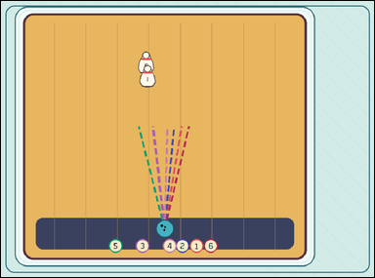 |  | task_games__bowling__spare_path_label | spare_path_label | bowling | spare_path_label | The image shows a bowling lane with a ball, labeled pins, and any shown aiming paths. Extend each numbered dashed path straight toward the pins; the correct spare path is the extended line that passes through every remaining standing pin. Identify the numbered path that picks up all remaining pins. Answer field: set "answer" to the selected numbered path label as a string. Example JSON: {"answer":"4"} | {"answer": "3"} | The image shows a bowling lane with a ball, labeled pins, and any shown aiming paths. Extend each numbered dashed path straight toward the pins; the correct spare path is the extended line that passes through every remaining standing pin. Identify the numbered path that picks up all remaining pins. Required annotation format: set "annotation" to one path point-pair of [x, y] pixel points as [[[x0, y0], [x1, y1]]], using the two endpoints of the selected visible dashed cue. Required answer format: set "answer" to the selected numbered path label as a string. Example JSON: {"annotation":[[[430,610],[620,250]]],"answer":"4"} | {"annotation": [[[439.0, 610.5], [407.805, 336.635]]], "answer": "3"} | string | point_pair_set | 74823979503477 | games/bowling/task_games__bowling__spare_path_label/images/spare_path_label/0087.png | games/bowling/task_games__bowling__spare_path_label/data/spare_path_label/0087.json
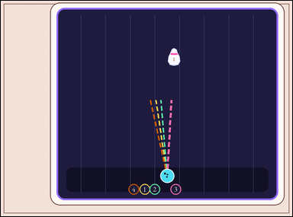 | 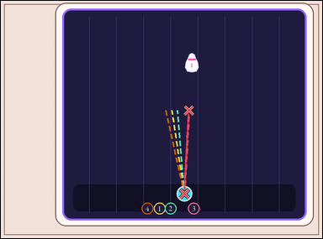 | task_games__bowling__spare_path_label | spare_path_label | bowling | spare_path_label | This scene shows a bowling lane with a ball, labeled pins, and any shown aiming paths. Extend each numbered dashed path straight toward the pins; the correct spare path is the extended line that passes through every remaining standing pin. Which numbered path is the correct spare path? Final answer format: set "answer" to the selected numbered path label as a string. Example JSON: {"answer":"4"} | {"answer": "3"} | This scene shows a bowling lane with a ball, labeled pins, and any shown aiming paths. Extend each numbered dashed path straight toward the pins; the correct spare path is the extended line that passes through every remaining standing pin. Which numbered path is the correct spare path? Final answer format: set "answer" to the selected numbered path label as a string. Annotation format: set "annotation" to one path point-pair of [x, y] pixel points as [[[x0, y0], [x1, y1]]], using the two endpoints of the selected visible dashed cue. Example JSON: {"annotation":[[[430,610],[620,250]]],"answer":"4"} | {"annotation": [[[571.0, 601.5], [585.848, 341.885]]], "answer": "3"} | string | point_pair_set | 177912169681607 | games/bowling/task_games__bowling__spare_path_label/images/spare_path_label/0080.png | games/bowling/task_games__bowling__spare_path_label/data/spare_path_label/0080.json
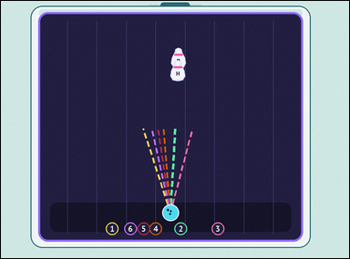 | 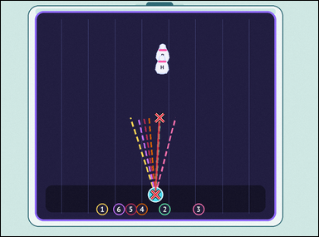 | task_games__bowling__spare_path_label | spare_path_label | bowling | spare_path_label | This scene shows a bowling lane with a ball, labeled pins, and any shown aiming paths. Extend each numbered dashed path straight toward the pins; the correct spare path is the extended line that passes through every remaining standing pin. Which numbered dashed path should be selected? Answer field: set "answer" to the selected numbered path label as a string. Example JSON: {"answer":"4"} | {"answer": "2"} | This scene shows a bowling lane with a ball, labeled pins, and any shown aiming paths. Extend each numbered dashed path straight toward the pins; the correct spare path is the extended line that passes through every remaining standing pin. Which numbered dashed path should be selected? Annotation format: set "annotation" to one path point-pair of [x, y] pixel points as [[[x0, y0], [x1, y1]]], using the two endpoints of the selected visible dashed cue. Answer format: set "answer" to the selected numbered path label as a string. Example JSON: {"annotation":[[[430,610],[620,250]]],"answer":"4"} | {"annotation": [[[487.0, 609.5], [500.9, 367.482]]], "answer": "2"} | string | point_pair_set | 321782075624717 | games/bowling/task_games__bowling__spare_path_label/images/spare_path_label/0062.png | games/bowling/task_games__bowling__spare_path_label/data/spare_path_label/0062.json
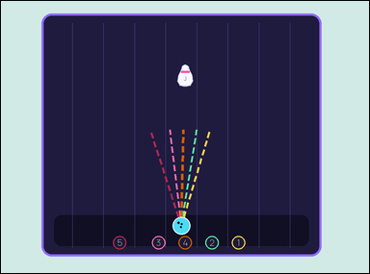 | 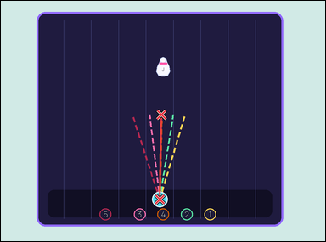 | task_games__bowling__spare_path_label | spare_path_label | bowling | spare_path_label | The figure shows a bowling lane with a ball, labeled pins, and any shown aiming paths. Extend each numbered dashed path straight toward the pins; the correct spare path is the extended line that passes through every remaining standing pin. Report the number of the path that covers the whole spare. Format for the "answer" field: set "answer" to the selected numbered path label as a string. Example JSON: {"answer":"4"} | {"answer": "4"} | The figure shows a bowling lane with a ball, labeled pins, and any shown aiming paths. Extend each numbered dashed path straight toward the pins; the correct spare path is the extended line that passes through every remaining standing pin. Report the number of the path that covers the whole spare. Annotation format: set "annotation" to one path point-pair of [x, y] pixel points as [[[x0, y0], [x1, y1]]], using the two endpoints of the selected visible dashed cue. Answer format: set "answer" to the selected numbered path label as a string. Example JSON: {"annotation":[[[430,610],[620,250]]],"answer":"4"} | {"annotation": [[[490.0, 611.5], [495.538, 350.126]]], "answer": "4"} | string | point_pair_set | 598767070786666 | games/bowling/task_games__bowling__spare_path_label/images/spare_path_label/0055.png | games/bowling/task_games__bowling__spare_path_label/data/spare_path_label/0055.json
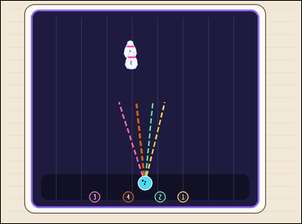 | 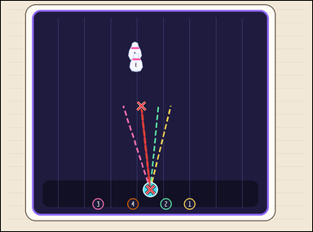 | task_games__bowling__spare_path_label | spare_path_label | bowling | spare_path_label | The visual shows a bowling lane with a ball, labeled pins, and any shown aiming paths. Compare the numbered dashed paths. Extend each numbered dashed path straight toward the pins; the correct spare path is the extended line that passes through every remaining standing pin. Which path number should be selected? Required answer format: set "answer" to the selected numbered path label as a string. Example JSON: {"answer":"4"} | {"answer": "4"} | The visual shows a bowling lane with a ball, labeled pins, and any shown aiming paths. Compare the numbered dashed paths. Extend each numbered dashed path straight toward the pins; the correct spare path is the extended line that passes through every remaining standing pin. Which path number should be selected? Annotation format: set "annotation" to one path point-pair of [x, y] pixel points as [[[x0, y0], [x1, y1]]], using the two endpoints of the selected visible dashed cue. Answer format: set "answer" to the selected numbered path label as a string. Example JSON: {"annotation":[[[430,610],[620,250]]],"answer":"4"} | {"annotation": [[[480.0, 606.5], [451.024, 337.785]]], "answer": "4"} | string | point_pair_set | 722096872669898 | games/bowling/task_games__bowling__spare_path_label/images/spare_path_label/0081.png | games/bowling/task_games__bowling__spare_path_label/data/spare_path_label/0081.json
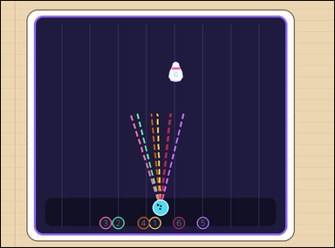 | 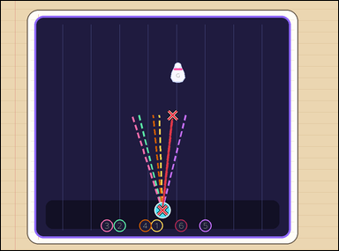 | task_games__bowling__spare_path_label | spare_path_label | bowling | spare_path_label | This scene shows a bowling lane with a ball, labeled pins, and any shown aiming paths. Compare the numbered dashed paths. Extend each numbered dashed path straight toward the pins; the correct spare path is the extended line that passes through every remaining standing pin. Which path number should be selected? Format for the "answer" field: set "answer" to the selected numbered path label as a string. Example JSON: {"answer":"4"} | {"answer": "6"} | This scene shows a bowling lane with a ball, labeled pins, and any shown aiming paths. Compare the numbered dashed paths. Extend each numbered dashed path straight toward the pins; the correct spare path is the extended line that passes through every remaining standing pin. Which path number should be selected? Annotation format: set "annotation" to one path point-pair of [x, y] pixel points as [[[x0, y0], [x1, y1]]], using the two endpoints of the selected visible dashed cue. Answer format: set "answer" to the selected numbered path label as a string. Example JSON: {"annotation":[[[430,610],[620,250]]],"answer":"4"} | {"annotation": [[[479.0, 621.5], [509.227, 339.525]]], "answer": "6"} | string | point_pair_set | 760461395902871 | games/bowling/task_games__bowling__spare_path_label/images/spare_path_label/0072.png | games/bowling/task_games__bowling__spare_path_label/data/spare_path_label/0072.json
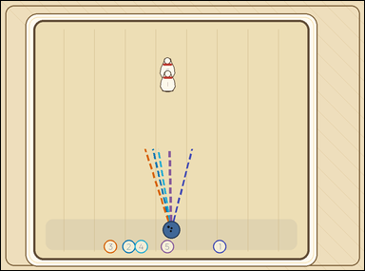 | 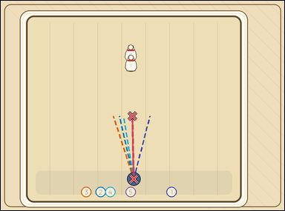 | task_games__bowling__spare_path_label | spare_path_label | bowling | spare_path_label | The scene shows a bowling lane with a ball, labeled pins, and any shown aiming paths. Extend each numbered dashed path straight toward the pins; the correct spare path is the extended line that passes through every remaining standing pin. Which numbered path is the correct spare path? Final answer format: set "answer" to the selected numbered path label as a string. Example JSON: {"answer":"4"} | {"answer": "5"} | The scene shows a bowling lane with a ball, labeled pins, and any shown aiming paths. Extend each numbered dashed path straight toward the pins; the correct spare path is the extended line that passes through every remaining standing pin. Which numbered path is the correct spare path? Annotation format: set "annotation" to one path point-pair of [x, y] pixel points as [[[x0, y0], [x1, y1]]], using the two endpoints of the selected visible dashed cue. Answer format: set "answer" to the selected numbered path label as a string. Example JSON: {"annotation":[[[430,610],[620,250]]],"answer":"4"} | {"annotation": [[[469.0, 629.5], [464.492, 407.221]]], "answer": "5"} | string | point_pair_set | 802910972153170 | games/bowling/task_games__bowling__spare_path_label/images/spare_path_label/0091.png | games/bowling/task_games__bowling__spare_path_label/data/spare_path_label/0091.json
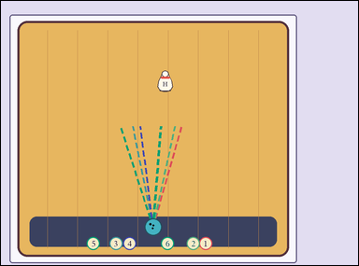 | 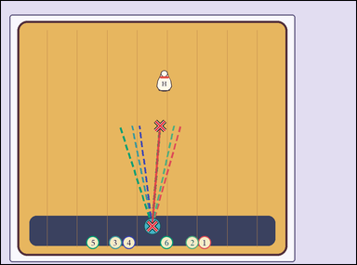 | task_games__bowling__spare_path_label | spare_path_label | bowling | spare_path_label | The visual shows a bowling lane with a ball, labeled pins, and any shown aiming paths. Extend each numbered dashed path straight toward the pins; the correct spare path is the extended line that passes through every remaining standing pin. Which numbered dashed path should be selected? Required answer format: set "answer" to the selected numbered path label as a string. Example JSON: {"answer":"4"} | {"answer": "6"} | The visual shows a bowling lane with a ball, labeled pins, and any shown aiming paths. Extend each numbered dashed path straight toward the pins; the correct spare path is the extended line that passes through every remaining standing pin. Which numbered dashed path should be selected? Final answer format: set "answer" to the selected numbered path label as a string. Annotation format: set "annotation" to one path point-pair of [x, y] pixel points as [[[x0, y0], [x1, y1]]], using the two endpoints of the selected visible dashed cue. Example JSON: {"annotation":[[[430,610],[620,250]]],"answer":"4"} | {"annotation": [[[426.0, 633.5], [448.21, 351.423]]], "answer": "6"} | string | point_pair_set | 812688653597914 | games/bowling/task_games__bowling__spare_path_label/images/spare_path_label/0085.png | games/bowling/task_games__bowling__spare_path_label/data/spare_path_label/0085.json
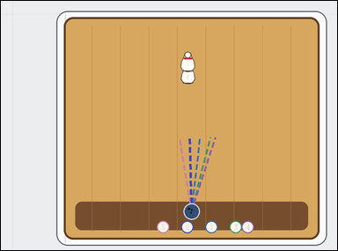 | 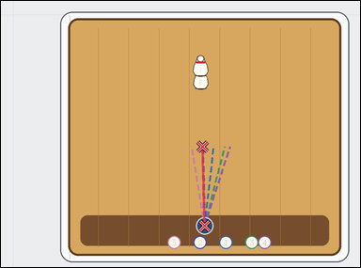 | task_games__bowling__spare_path_label | spare_path_label | bowling | spare_path_label | The figure shows a bowling lane with a ball, labeled pins, and any shown aiming paths. Extend each numbered dashed path straight toward the pins; the correct spare path is the extended line that passes through every remaining standing pin. Report the number of the path that covers the whole spare. Required answer format: set "answer" to the selected numbered path label as a string. Example JSON: {"answer":"4"} | {"answer": "2"} | The figure shows a bowling lane with a ball, labeled pins, and any shown aiming paths. Extend each numbered dashed path straight toward the pins; the correct spare path is the extended line that passes through every remaining standing pin. Report the number of the path that covers the whole spare. Annotation format: set "annotation" to one path point-pair of [x, y] pixel points as [[[x0, y0], [x1, y1]]], using the two endpoints of the selected visible dashed cue. Answer format: set "answer" to the selected numbered path label as a string. Example JSON: {"annotation":[[[430,610],[620,250]]],"answer":"4"} | {"annotation": [[[567.0, 625.5], [561.717, 405.236]]], "answer": "2"} | string | point_pair_set | 963092802479477 | games/bowling/task_games__bowling__spare_path_label/images/spare_path_label/0086.png | games/bowling/task_games__bowling__spare_path_label/data/spare_path_label/0086.json
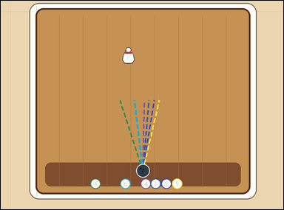 | 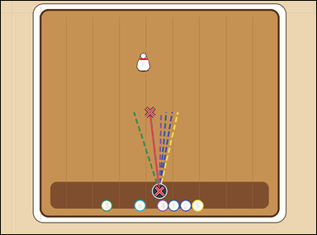 | task_games__bowling__spare_path_label | spare_path_label | bowling | spare_path_label | The image shows a bowling lane with a ball, labeled pins, and any shown aiming paths. Extend each numbered dashed path straight toward the pins; the correct spare path is the extended line that passes through every remaining standing pin. Which numbered dashed path should be selected? Answer format: set "answer" to the selected numbered path label as a string. Example JSON: {"answer":"4"} | {"answer": "6"} | The image shows a bowling lane with a ball, labeled pins, and any shown aiming paths. Extend each numbered dashed path straight toward the pins; the correct spare path is the extended line that passes through every remaining standing pin. Which numbered dashed path should be selected? Annotation format: set "annotation" to one path point-pair of [x, y] pixel points as [[[x0, y0], [x1, y1]]], using the two endpoints of the selected visible dashed cue. Answer format: set "answer" to the selected numbered path label as a string. Example JSON: {"annotation":[[[430,610],[620,250]]],"answer":"4"} | {"annotation": [[[503.0, 603.5], [473.452, 353.423]]], "answer": "6"} | string | point_pair_set | 963862449088322 | games/bowling/task_games__bowling__spare_path_label/images/spare_path_label/0013.png | games/bowling/task_games__bowling__spare_path_label/data/spare_path_label/0013.json
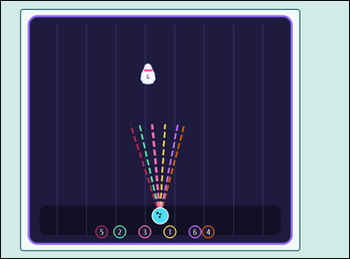 | 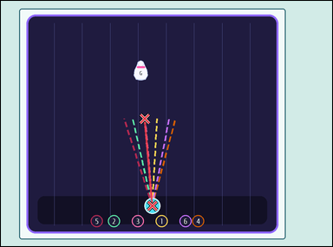 | task_games__bowling__spare_path_label | spare_path_label | bowling | spare_path_label | The visual shows a bowling lane with a ball, labeled pins, and any shown aiming paths. Extend each numbered dashed path straight toward the pins; the correct spare path is the extended line that passes through every remaining standing pin. Report the number of the path that covers the whole spare. Answer format: set "answer" to the selected numbered path label as a string. Example JSON: {"answer":"4"} | {"answer": "3"} | The visual shows a bowling lane with a ball, labeled pins, and any shown aiming paths. Extend each numbered dashed path straight toward the pins; the correct spare path is the extended line that passes through every remaining standing pin. Report the number of the path that covers the whole spare. Final answer format: set "answer" to the selected numbered path label as a string. Annotation format: set "annotation" to one path point-pair of [x, y] pixel points as [[[x0, y0], [x1, y1]]], using the two endpoints of the selected visible dashed cue. Example JSON: {"annotation":[[[430,610],[620,250]]],"answer":"4"} | {"annotation": [[[457.0, 618.5], [434.789, 355.635]]], "answer": "3"} | string | point_pair_set | 986589374803788 | games/bowling/task_games__bowling__spare_path_label/images/spare_path_label/0022.png | games/bowling/task_games__bowling__spare_path_label/data/spare_path_label/0022.json
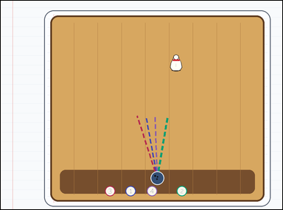 | 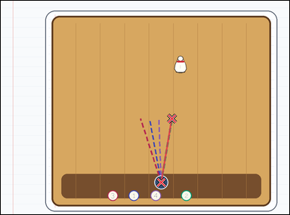 | task_games__bowling__spare_path_label | spare_path_label | bowling | spare_path_label | The image shows a bowling lane with a ball, labeled pins, and any shown aiming paths. Extend each numbered dashed path straight toward the pins; the correct spare path is the extended line that passes through every remaining standing pin. Report the number of the path that covers the whole spare. Answer format: set "answer" to the selected numbered path label as a string. Example JSON: {"answer":"4"} | {"answer": "2"} | The image shows a bowling lane with a ball, labeled pins, and any shown aiming paths. Extend each numbered dashed path straight toward the pins; the correct spare path is the extended line that passes through every remaining standing pin. Report the number of the path that covers the whole spare. Annotation format: set "annotation" to one path point-pair of [x, y] pixel points as [[[x0, y0], [x1, y1]]], using the two endpoints of the selected visible dashed cue. Answer format: set "answer" to the selected numbered path label as a string. Example JSON: {"annotation":[[[430,610],[620,250]]],"answer":"4"} | {"annotation": [[[556.0, 629.5], [593.419, 408.922]]], "answer": "2"} | string | point_pair_set | 1.0296580396E+15 | games/bowling/task_games__bowling__spare_path_label/images/spare_path_label/0039.png | games/bowling/task_games__bowling__spare_path_label/data/spare_path_label/0039.json
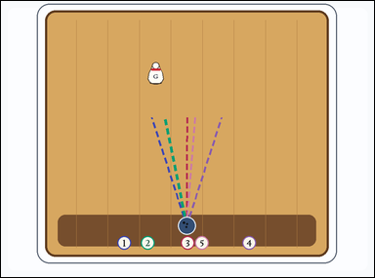 | 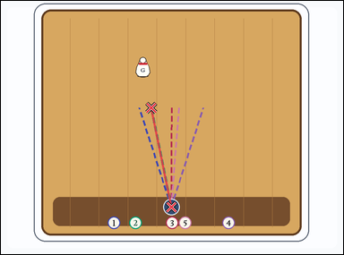 | task_games__bowling__spare_path_label | spare_path_label | bowling | spare_path_label | The visual shows a bowling lane with a ball, labeled pins, and any shown aiming paths. Extend each numbered dashed path straight toward the pins; the correct spare path is the extended line that passes through every remaining standing pin. Which numbered dashed path should be selected? Format for the "answer" field: set "answer" to the selected numbered path label as a string. Example JSON: {"answer":"4"} | {"answer": "2"} | The visual shows a bowling lane with a ball, labeled pins, and any shown aiming paths. Extend each numbered dashed path straight toward the pins; the correct spare path is the extended line that passes through every remaining standing pin. Which numbered dashed path should be selected? Annotation format: set "annotation" to one path point-pair of [x, y] pixel points as [[[x0, y0], [x1, y1]]], using the two endpoints of the selected visible dashed cue. Answer format: set "answer" to the selected numbered path label as a string. Example JSON: {"annotation":[[[430,610],[620,250]]],"answer":"4"} | {"annotation": [[[498.0, 602.5], [439.706, 312.41]]], "answer": "2"} | string | point_pair_set | 1.0471853689E+15 | games/bowling/task_games__bowling__spare_path_label/images/spare_path_label/0037.png | games/bowling/task_games__bowling__spare_path_label/data/spare_path_label/0037.json
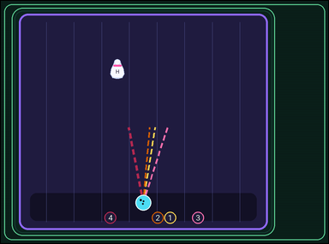 | 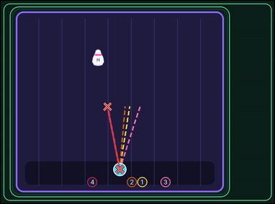 | task_games__bowling__spare_path_label | spare_path_label | bowling | spare_path_label | The visual shows a bowling lane with a ball, labeled pins, and any shown aiming paths. Extend each numbered dashed path straight toward the pins; the correct spare path is the extended line that passes through every remaining standing pin. Which numbered dashed path should be selected? Format for the "answer" field: set "answer" to the selected numbered path label as a string. Example JSON: {"answer":"4"} | {"answer": "4"} | The visual shows a bowling lane with a ball, labeled pins, and any shown aiming paths. Extend each numbered dashed path straight toward the pins; the correct spare path is the extended line that passes through every remaining standing pin. Which numbered dashed path should be selected? Required annotation format: set "annotation" to one path point-pair of [x, y] pixel points as [[[x0, y0], [x1, y1]]], using the two endpoints of the selected visible dashed cue. Required answer format: set "answer" to the selected numbered path label as a string. Example JSON: {"annotation":[[[430,610],[620,250]]],"answer":"4"} | {"annotation": [[[435.0, 616.5], [390.676, 386.944]]], "answer": "4"} | string | point_pair_set | 1.0743191346E+15 | games/bowling/task_games__bowling__spare_path_label/images/spare_path_label/0036.png | games/bowling/task_games__bowling__spare_path_label/data/spare_path_label/0036.json
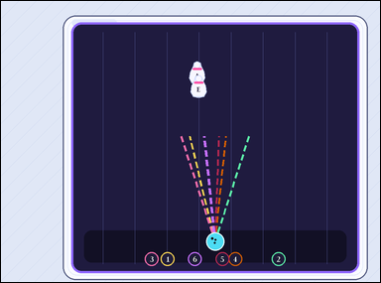 |  | task_games__bowling__spare_path_label | spare_path_label | bowling | spare_path_label | The image shows a bowling lane with a ball, labeled pins, and any shown aiming paths. Extend each numbered dashed path straight toward the pins; the correct spare path is the extended line that passes through every remaining standing pin. Which numbered path is the correct spare path? Required answer format: set "answer" to the selected numbered path label as a string. Example JSON: {"answer":"4"} | {"answer": "6"} | The image shows a bowling lane with a ball, labeled pins, and any shown aiming paths. Extend each numbered dashed path straight toward the pins; the correct spare path is the extended line that passes through every remaining standing pin. Which numbered path is the correct spare path? Annotation format: set "annotation" to one path point-pair of [x, y] pixel points as [[[x0, y0], [x1, y1]]], using the two endpoints of the selected visible dashed cue. Answer format: set "answer" to the selected numbered path label as a string. Example JSON: {"annotation":[[[430,610],[620,250]]],"answer":"4"} | {"annotation": [[[565.0, 633.5], [536.675, 356.925]]], "answer": "6"} | string | point_pair_set | 1.1739786725E+15 | games/bowling/task_games__bowling__spare_path_label/images/spare_path_label/0050.png | games/bowling/task_games__bowling__spare_path_label/data/spare_path_label/0050.json
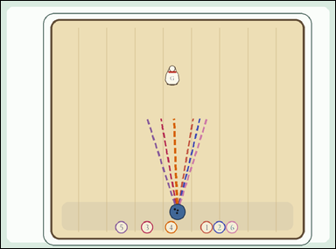 | 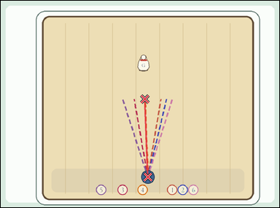 | task_games__bowling__spare_path_label | spare_path_label | bowling | spare_path_label | The image shows a bowling lane with a ball, labeled pins, and any shown aiming paths. Extend each numbered dashed path straight toward the pins; the correct spare path is the extended line that passes through every remaining standing pin. Identify the numbered path that picks up all remaining pins. Final answer format: set "answer" to the selected numbered path label as a string. Example JSON: {"answer":"4"} | {"answer": "4"} | The image shows a bowling lane with a ball, labeled pins, and any shown aiming paths. Extend each numbered dashed path straight toward the pins; the correct spare path is the extended line that passes through every remaining standing pin. Identify the numbered path that picks up all remaining pins. Annotation format: set "annotation" to one path point-pair of [x, y] pixel points as [[[x0, y0], [x1, y1]]], using the two endpoints of the selected visible dashed cue. Answer format: set "answer" to the selected numbered path label as a string. Example JSON: {"annotation":[[[430,610],[620,250]]],"answer":"4"} | {"annotation": [[[528.0, 631.5], [517.953, 352.152]]], "answer": "4"} | string | point_pair_set | 1.2512859498E+15 | games/bowling/task_games__bowling__spare_path_label/images/spare_path_label/0033.png | games/bowling/task_games__bowling__spare_path_label/data/spare_path_label/0033.json
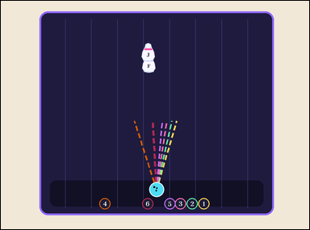 | 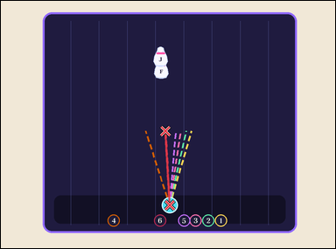 | task_games__bowling__spare_path_label | spare_path_label | bowling | spare_path_label | The image shows a bowling lane with a ball, labeled pins, and any shown aiming paths. Extend each numbered dashed path straight toward the pins; the correct spare path is the extended line that passes through every remaining standing pin. Which numbered path is the correct spare path? Final answer format: set "answer" to the selected numbered path label as a string. Example JSON: {"answer":"4"} | {"answer": "6"} | The image shows a bowling lane with a ball, labeled pins, and any shown aiming paths. Extend each numbered dashed path straight toward the pins; the correct spare path is the extended line that passes through every remaining standing pin. Which numbered path is the correct spare path? Final answer format: set "answer" to the selected numbered path label as a string. Annotation format: set "annotation" to one path point-pair of [x, y] pixel points as [[[x0, y0], [x1, y1]]], using the two endpoints of the selected visible dashed cue. Example JSON: {"annotation":[[[430,610],[620,250]]],"answer":"4"} | {"annotation": [[[505.0, 611.5], [492.674, 389.157]]], "answer": "6"} | string | point_pair_set | 1.2829263193E+15 | games/bowling/task_games__bowling__spare_path_label/images/spare_path_label/0045.png | games/bowling/task_games__bowling__spare_path_label/data/spare_path_label/0045.json
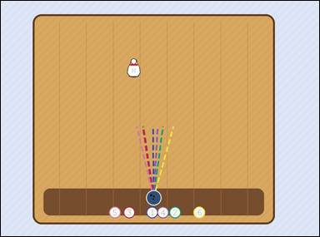 | 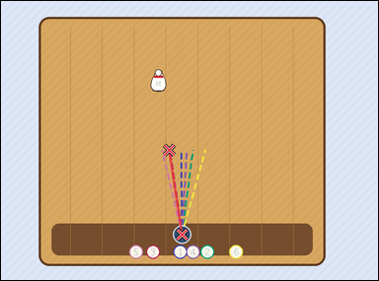 | task_games__bowling__spare_path_label | spare_path_label | bowling | spare_path_label | The image shows a bowling lane with a ball, labeled pins, and any shown aiming paths. Compare the numbered dashed paths. Extend each numbered dashed path straight toward the pins; the correct spare path is the extended line that passes through every remaining standing pin. Which path number should be selected? Final answer format: set "answer" to the selected numbered path label as a string. Example JSON: {"answer":"4"} | {"answer": "3"} | The image shows a bowling lane with a ball, labeled pins, and any shown aiming paths. Compare the numbered dashed paths. Extend each numbered dashed path straight toward the pins; the correct spare path is the extended line that passes through every remaining standing pin. Which path number should be selected? Annotation format: set "annotation" to one path point-pair of [x, y] pixel points as [[[x0, y0], [x1, y1]]], using the two endpoints of the selected visible dashed cue. Answer format: set "answer" to the selected numbered path label as a string. Example JSON: {"annotation":[[[430,610],[620,250]]],"answer":"4"} | {"annotation": [[[480.0, 619.5], [446.893, 395.449]]], "answer": "3"} | string | point_pair_set | 1.3735985114E+15 | games/bowling/task_games__bowling__spare_path_label/images/spare_path_label/0093.png | games/bowling/task_games__bowling__spare_path_label/data/spare_path_label/0093.json
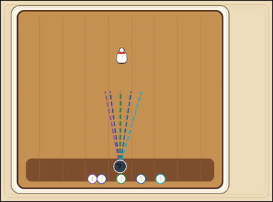 | 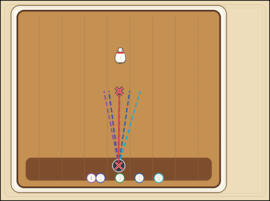 | task_games__bowling__spare_path_label | spare_path_label | bowling | spare_path_label | The visual shows a bowling lane with a ball, labeled pins, and any shown aiming paths. Extend each numbered dashed path straight toward the pins; the correct spare path is the extended line that passes through every remaining standing pin. Report the number of the path that covers the whole spare. Required answer format: set "answer" to the selected numbered path label as a string. Example JSON: {"answer":"4"} | {"answer": "3"} | The visual shows a bowling lane with a ball, labeled pins, and any shown aiming paths. Extend each numbered dashed path straight toward the pins; the correct spare path is the extended line that passes through every remaining standing pin. Report the number of the path that covers the whole spare. Annotation format: set "annotation" to one path point-pair of [x, y] pixel points as [[[x0, y0], [x1, y1]]], using the two endpoints of the selected visible dashed cue. Answer format: set "answer" to the selected numbered path label as a string. Example JSON: {"annotation":[[[430,610],[620,250]]],"answer":"4"} | {"annotation": [[[439.0, 611.5], [441.559, 335.792]]], "answer": "3"} | string | point_pair_set | 1.5364798414E+15 | games/bowling/task_games__bowling__spare_path_label/images/spare_path_label/0024.png | games/bowling/task_games__bowling__spare_path_label/data/spare_path_label/0024.json
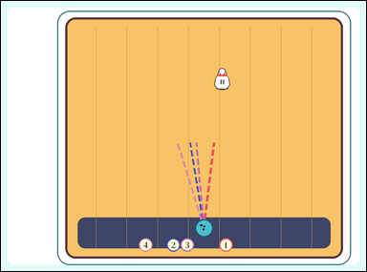 | 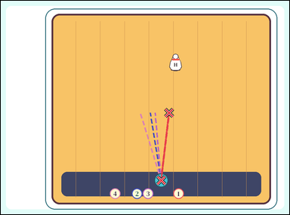 | task_games__bowling__spare_path_label | spare_path_label | bowling | spare_path_label | The visual shows a bowling lane with a ball, labeled pins, and any shown aiming paths. Extend each numbered dashed path straight toward the pins; the correct spare path is the extended line that passes through every remaining standing pin. Which numbered path is the correct spare path? Format for the "answer" field: set "answer" to the selected numbered path label as a string. Example JSON: {"answer":"4"} | {"answer": "1"} | The visual shows a bowling lane with a ball, labeled pins, and any shown aiming paths. Extend each numbered dashed path straight toward the pins; the correct spare path is the extended line that passes through every remaining standing pin. Which numbered path is the correct spare path? Required annotation format: set "annotation" to one path point-pair of [x, y] pixel points as [[[x0, y0], [x1, y1]]], using the two endpoints of the selected visible dashed cue. Required answer format: set "answer" to the selected numbered path label as a string. Example JSON: {"annotation":[[[430,610],[620,250]]],"answer":"4"} | {"annotation": [[[556.0, 622.5], [583.279, 388.819]]], "answer": "1"} | string | point_pair_set | 1.6493029856E+15 | games/bowling/task_games__bowling__spare_path_label/images/spare_path_label/0026.png | games/bowling/task_games__bowling__spare_path_label/data/spare_path_label/0026.json
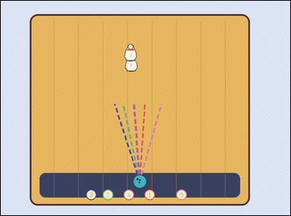 | 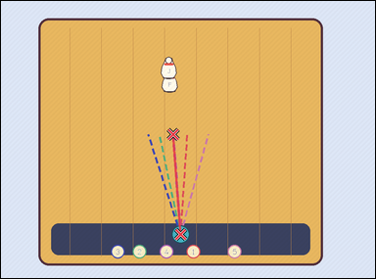 | task_games__bowling__spare_path_label | spare_path_label | bowling | spare_path_label | The visual shows a bowling lane with a ball, labeled pins, and any shown aiming paths. Extend each numbered dashed path straight toward the pins; the correct spare path is the extended line that passes through every remaining standing pin. Identify the numbered path that picks up all remaining pins. Answer field: set "answer" to the selected numbered path label as a string. Example JSON: {"answer":"4"} | {"answer": "4"} | The visual shows a bowling lane with a ball, labeled pins, and any shown aiming paths. Extend each numbered dashed path straight toward the pins; the correct spare path is the extended line that passes through every remaining standing pin. Identify the numbered path that picks up all remaining pins. Annotation format: set "annotation" to one path point-pair of [x, y] pixel points as [[[x0, y0], [x1, y1]]], using the two endpoints of the selected visible dashed cue. Answer format: set "answer" to the selected numbered path label as a string. Example JSON: {"annotation":[[[430,610],[620,250]]],"answer":"4"} | {"annotation": [[[480.0, 623.5], [460.705, 356.485]]], "answer": "4"} | string | point_pair_set | 1.7348099606E+15 | games/bowling/task_games__bowling__spare_path_label/images/spare_path_label/0074.png | games/bowling/task_games__bowling__spare_path_label/data/spare_path_label/0074.json
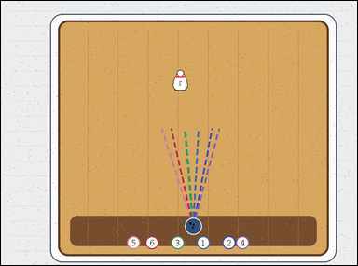 |  | task_games__bowling__spare_path_label | spare_path_label | bowling | spare_path_label | The visual shows a bowling lane with a ball, labeled pins, and any shown aiming paths. Extend each numbered dashed path straight toward the pins; the correct spare path is the extended line that passes through every remaining standing pin. Report the number of the path that covers the whole spare. Final answer format: set "answer" to the selected numbered path label as a string. Example JSON: {"answer":"4"} | {"answer": "3"} | The visual shows a bowling lane with a ball, labeled pins, and any shown aiming paths. Extend each numbered dashed path straight toward the pins; the correct spare path is the extended line that passes through every remaining standing pin. Report the number of the path that covers the whole spare. Annotation format: set "annotation" to one path point-pair of [x, y] pixel points as [[[x0, y0], [x1, y1]]], using the two endpoints of the selected visible dashed cue. Answer format: set "answer" to the selected numbered path label as a string. Example JSON: {"annotation":[[[430,610],[620,250]]],"answer":"4"} | {"annotation": [[[540.0, 631.5], [516.865, 357.753]]], "answer": "3"} | string | point_pair_set | 1.8967523255E+15 | games/bowling/task_games__bowling__spare_path_label/images/spare_path_label/0088.png | games/bowling/task_games__bowling__spare_path_label/data/spare_path_label/0088.json
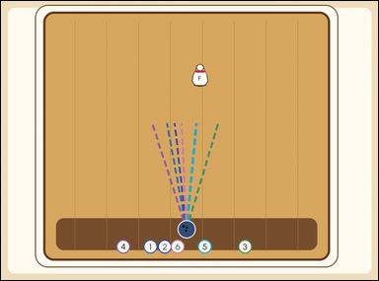 | 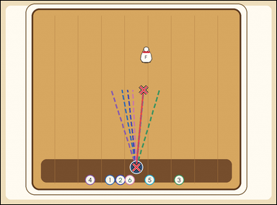 | task_games__bowling__spare_path_label | spare_path_label | bowling | spare_path_label | The visual shows a bowling lane with a ball, labeled pins, and any shown aiming paths. Extend each numbered dashed path straight toward the pins; the correct spare path is the extended line that passes through every remaining standing pin. Which numbered path is the correct spare path? Format for the "answer" field: set "answer" to the selected numbered path label as a string. Example JSON: {"answer":"4"} | {"answer": "5"} | The visual shows a bowling lane with a ball, labeled pins, and any shown aiming paths. Extend each numbered dashed path straight toward the pins; the correct spare path is the extended line that passes through every remaining standing pin. Which numbered path is the correct spare path? Annotation format: set "annotation" to one path point-pair of [x, y] pixel points as [[[x0, y0], [x1, y1]]], using the two endpoints of the selected visible dashed cue. Answer format: set "answer" to the selected numbered path label as a string. Example JSON: {"annotation":[[[430,610],[620,250]]],"answer":"4"} | {"annotation": [[[492.0, 605.5], [518.462, 324.394]]], "answer": "5"} | string | point_pair_set | 1.9804383844E+15 | games/bowling/task_games__bowling__spare_path_label/images/spare_path_label/0038.png | games/bowling/task_games__bowling__spare_path_label/data/spare_path_label/0038.json
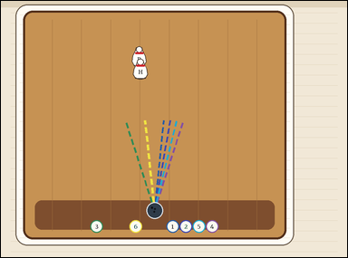 | 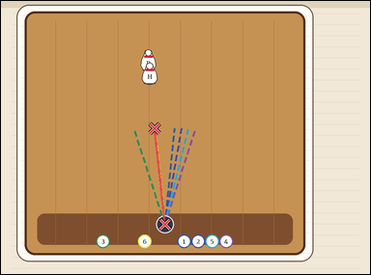 | task_games__bowling__spare_path_label | spare_path_label | bowling | spare_path_label | This scene shows a bowling lane with a ball, labeled pins, and any shown aiming paths. Extend each numbered dashed path straight toward the pins; the correct spare path is the extended line that passes through every remaining standing pin. Which numbered dashed path should be selected? Final answer format: set "answer" to the selected numbered path label as a string. Example JSON: {"answer":"4"} | {"answer": "6"} | This scene shows a bowling lane with a ball, labeled pins, and any shown aiming paths. Extend each numbered dashed path straight toward the pins; the correct spare path is the extended line that passes through every remaining standing pin. Which numbered dashed path should be selected? Final answer format: set "answer" to the selected numbered path label as a string. Annotation format: set "annotation" to one path point-pair of [x, y] pixel points as [[[x0, y0], [x1, y1]]], using the two endpoints of the selected visible dashed cue. Example JSON: {"annotation":[[[430,610],[620,250]]],"answer":"4"} | {"annotation": [[[444.0, 605.5], [416.77, 345.779]]], "answer": "6"} | string | point_pair_set | 2.0275907402E+15 | games/bowling/task_games__bowling__spare_path_label/images/spare_path_label/0058.png | games/bowling/task_games__bowling__spare_path_label/data/spare_path_label/0058.json
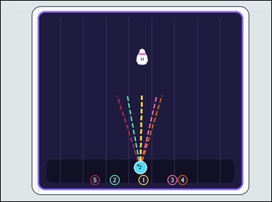 | 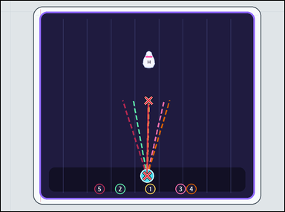 | task_games__bowling__spare_path_label | spare_path_label | bowling | spare_path_label | The figure shows a bowling lane with a ball, labeled pins, and any shown aiming paths. Extend each numbered dashed path straight toward the pins; the correct spare path is the extended line that passes through every remaining standing pin. Which numbered dashed path should be selected? Format for the "answer" field: set "answer" to the selected numbered path label as a string. Example JSON: {"answer":"4"} | {"answer": "1"} | The figure shows a bowling lane with a ball, labeled pins, and any shown aiming paths. Extend each numbered dashed path straight toward the pins; the correct spare path is the extended line that passes through every remaining standing pin. Which numbered dashed path should be selected? Annotation format: set "annotation" to one path point-pair of [x, y] pixel points as [[[x0, y0], [x1, y1]]], using the two endpoints of the selected visible dashed cue. Answer format: set "answer" to the selected numbered path label as a string. Example JSON: {"annotation":[[[430,610],[620,250]]],"answer":"4"} | {"annotation": [[[516.0, 615.5], [521.98, 350.405]]], "answer": "1"} | string | point_pair_set | 2.068424168E+15 | games/bowling/task_games__bowling__spare_path_label/images/spare_path_label/0041.png | games/bowling/task_games__bowling__spare_path_label/data/spare_path_label/0041.json
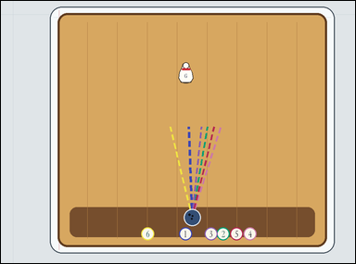 | 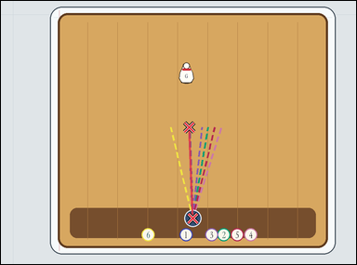 | task_games__bowling__spare_path_label | spare_path_label | bowling | spare_path_label | This scene shows a bowling lane with a ball, labeled pins, and any shown aiming paths. Extend each numbered dashed path straight toward the pins; the correct spare path is the extended line that passes through every remaining standing pin. Identify the numbered path that picks up all remaining pins. Format for the "answer" field: set "answer" to the selected numbered path label as a string. Example JSON: {"answer":"4"} | {"answer": "1"} | This scene shows a bowling lane with a ball, labeled pins, and any shown aiming paths. Extend each numbered dashed path straight toward the pins; the correct spare path is the extended line that passes through every remaining standing pin. Identify the numbered path that picks up all remaining pins. Required annotation format: set "annotation" to one path point-pair of [x, y] pixel points as [[[x0, y0], [x1, y1]]], using the two endpoints of the selected visible dashed cue. Required answer format: set "answer" to the selected numbered path label as a string. Example JSON: {"annotation":[[[430,610],[620,250]]],"answer":"4"} | {"annotation": [[[540.0, 611.5], [530.744, 355.568]]], "answer": "1"} | string | point_pair_set | 2.1595522633E+15 | games/bowling/task_games__bowling__spare_path_label/images/spare_path_label/0076.png | games/bowling/task_games__bowling__spare_path_label/data/spare_path_label/0076.json
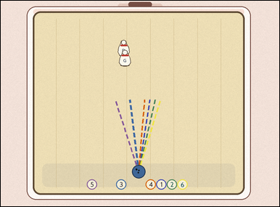 |  | task_games__bowling__spare_path_label | spare_path_label | bowling | spare_path_label | The image shows a bowling lane with a ball, labeled pins, and any shown aiming paths. Extend each numbered dashed path straight toward the pins; the correct spare path is the extended line that passes through every remaining standing pin. Report the number of the path that covers the whole spare. Required answer format: set "answer" to the selected numbered path label as a string. Example JSON: {"answer":"4"} | {"answer": "3"} | The image shows a bowling lane with a ball, labeled pins, and any shown aiming paths. Extend each numbered dashed path straight toward the pins; the correct spare path is the extended line that passes through every remaining standing pin. Report the number of the path that covers the whole spare. Annotation format: set "annotation" to one path point-pair of [x, y] pixel points as [[[x0, y0], [x1, y1]]], using the two endpoints of the selected visible dashed cue. Answer format: set "answer" to the selected numbered path label as a string. Example JSON: {"annotation":[[[430,610],[620,250]]],"answer":"4"} | {"annotation": [[[495.0, 615.5], [463.739, 356.857]]], "answer": "3"} | string | point_pair_set | 2.1620630381E+15 | games/bowling/task_games__bowling__spare_path_label/images/spare_path_label/0001.png | games/bowling/task_games__bowling__spare_path_label/data/spare_path_label/0001.json
 |  | task_games__bowling__spare_path_label | spare_path_label | bowling | spare_path_label | The visual shows a bowling lane with a ball, labeled pins, and any shown aiming paths. Extend each numbered dashed path straight toward the pins; the correct spare path is the extended line that passes through every remaining standing pin. Report the number of the path that covers the whole spare. Format for the "answer" field: set "answer" to the selected numbered path label as a string. Example JSON: {"answer":"4"} | {"answer": "1"} | The visual shows a bowling lane with a ball, labeled pins, and any shown aiming paths. Extend each numbered dashed path straight toward the pins; the correct spare path is the extended line that passes through every remaining standing pin. Report the number of the path that covers the whole spare. Final answer format: set "answer" to the selected numbered path label as a string. Annotation format: set "annotation" to one path point-pair of [x, y] pixel points as [[[x0, y0], [x1, y1]]], using the two endpoints of the selected visible dashed cue. Example JSON: {"annotation":[[[430,610],[620,250]]],"answer":"4"} | {"annotation": [[[562.0, 627.5], [559.708, 389.322]]], "answer": "1"} | string | point_pair_set | 2.3357436372E+15 | games/bowling/task_games__bowling__spare_path_label/images/spare_path_label/0016.png | games/bowling/task_games__bowling__spare_path_label/data/spare_path_label/0016.json
 |  | task_games__bowling__spare_path_label | spare_path_label | bowling | spare_path_label | The visual shows a bowling lane with a ball, labeled pins, and any shown aiming paths. Extend each numbered dashed path straight toward the pins; the correct spare path is the extended line that passes through every remaining standing pin. Report the number of the path that covers the whole spare. Required answer format: set "answer" to the selected numbered path label as a string. Example JSON: {"answer":"4"} | {"answer": "2"} | The visual shows a bowling lane with a ball, labeled pins, and any shown aiming paths. Extend each numbered dashed path straight toward the pins; the correct spare path is the extended line that passes through every remaining standing pin. Report the number of the path that covers the whole spare. Annotation format: set "annotation" to one path point-pair of [x, y] pixel points as [[[x0, y0], [x1, y1]]], using the two endpoints of the selected visible dashed cue. Answer format: set "answer" to the selected numbered path label as a string. Example JSON: {"annotation":[[[430,610],[620,250]]],"answer":"4"} | {"annotation": [[[550.0, 630.5], [563.568, 371.432]]], "answer": "2"} | string | point_pair_set | 2.385248729E+15 | games/bowling/task_games__bowling__spare_path_label/images/spare_path_label/0070.png | games/bowling/task_games__bowling__spare_path_label/data/spare_path_label/0070.json
 |  | task_games__bowling__spare_path_label | spare_path_label | bowling | spare_path_label | This scene shows a bowling lane with a ball, labeled pins, and any shown aiming paths. Extend each numbered dashed path straight toward the pins; the correct spare path is the extended line that passes through every remaining standing pin. Which numbered dashed path should be selected? Final answer format: set "answer" to the selected numbered path label as a string. Example JSON: {"answer":"4"} | {"answer": "3"} | This scene shows a bowling lane with a ball, labeled pins, and any shown aiming paths. Extend each numbered dashed path straight toward the pins; the correct spare path is the extended line that passes through every remaining standing pin. Which numbered dashed path should be selected? Required annotation format: set "annotation" to one path point-pair of [x, y] pixel points as [[[x0, y0], [x1, y1]]], using the two endpoints of the selected visible dashed cue. Required answer format: set "answer" to the selected numbered path label as a string. Example JSON: {"annotation":[[[430,610],[620,250]]],"answer":"4"} | {"annotation": [[[515.0, 612.5], [543.967, 389.291]]], "answer": "3"} | string | point_pair_set | 2.5904843235E+15 | games/bowling/task_games__bowling__spare_path_label/images/spare_path_label/0046.png | games/bowling/task_games__bowling__spare_path_label/data/spare_path_label/0046.json
 |  | task_games__bowling__spare_path_label | spare_path_label | bowling | spare_path_label | The figure shows a bowling lane with a ball, labeled pins, and any shown aiming paths. Extend each numbered dashed path straight toward the pins; the correct spare path is the extended line that passes through every remaining standing pin. Identify the numbered path that picks up all remaining pins. Required answer format: set "answer" to the selected numbered path label as a string. Example JSON: {"answer":"4"} | {"answer": "5"} | The figure shows a bowling lane with a ball, labeled pins, and any shown aiming paths. Extend each numbered dashed path straight toward the pins; the correct spare path is the extended line that passes through every remaining standing pin. Identify the numbered path that picks up all remaining pins. Annotation format: set "annotation" to one path point-pair of [x, y] pixel points as [[[x0, y0], [x1, y1]]], using the two endpoints of the selected visible dashed cue. Answer format: set "answer" to the selected numbered path label as a string. Example JSON: {"annotation":[[[430,610],[620,250]]],"answer":"4"} | {"annotation": [[[555.0, 631.5], [567.034, 412.614]]], "answer": "5"} | string | point_pair_set | 2.7715203004E+15 | games/bowling/task_games__bowling__spare_path_label/images/spare_path_label/0051.png | games/bowling/task_games__bowling__spare_path_label/data/spare_path_label/0051.json
 |  | task_games__bowling__spare_path_label | spare_path_label | bowling | spare_path_label | The visual shows a bowling lane with a ball, labeled pins, and any shown aiming paths. Extend each numbered dashed path straight toward the pins; the correct spare path is the extended line that passes through every remaining standing pin. Report the number of the path that covers the whole spare. Answer format: set "answer" to the selected numbered path label as a string. Example JSON: {"answer":"4"} | {"answer": "4"} | The visual shows a bowling lane with a ball, labeled pins, and any shown aiming paths. Extend each numbered dashed path straight toward the pins; the correct spare path is the extended line that passes through every remaining standing pin. Report the number of the path that covers the whole spare. Final answer format: set "answer" to the selected numbered path label as a string. Annotation format: set "annotation" to one path point-pair of [x, y] pixel points as [[[x0, y0], [x1, y1]]], using the two endpoints of the selected visible dashed cue. Example JSON: {"annotation":[[[430,610],[620,250]]],"answer":"4"} | {"annotation": [[[437.0, 622.5], [432.813, 354.383]]], "answer": "4"} | string | point_pair_set | 2.7731614545E+15 | games/bowling/task_games__bowling__spare_path_label/images/spare_path_label/0048.png | games/bowling/task_games__bowling__spare_path_label/data/spare_path_label/0048.json
 |  | task_games__bowling__spare_path_label | spare_path_label | bowling | spare_path_label | The visual shows a bowling lane with a ball, labeled pins, and any shown aiming paths. Compare the numbered dashed paths. Extend each numbered dashed path straight toward the pins; the correct spare path is the extended line that passes through every remaining standing pin. Which path number should be selected? Answer field: set "answer" to the selected numbered path label as a string. Example JSON: {"answer":"4"} | {"answer": "4"} | The visual shows a bowling lane with a ball, labeled pins, and any shown aiming paths. Compare the numbered dashed paths. Extend each numbered dashed path straight toward the pins; the correct spare path is the extended line that passes through every remaining standing pin. Which path number should be selected? Required annotation format: set "annotation" to one path point-pair of [x, y] pixel points as [[[x0, y0], [x1, y1]]], using the two endpoints of the selected visible dashed cue. Required answer format: set "answer" to the selected numbered path label as a string. Example JSON: {"annotation":[[[430,610],[620,250]]],"answer":"4"} | {"annotation": [[[507.0, 614.5], [540.998, 347.732]]], "answer": "4"} | string | point_pair_set | 2.8717137151E+15 | games/bowling/task_games__bowling__spare_path_label/images/spare_path_label/0042.png | games/bowling/task_games__bowling__spare_path_label/data/spare_path_label/0042.json
 |  | task_games__bowling__spare_path_label | spare_path_label | bowling | spare_path_label | This scene shows a bowling lane with a ball, labeled pins, and any shown aiming paths. Extend each numbered dashed path straight toward the pins; the correct spare path is the extended line that passes through every remaining standing pin. Which numbered dashed path should be selected? Format for the "answer" field: set "answer" to the selected numbered path label as a string. Example JSON: {"answer":"4"} | {"answer": "6"} | This scene shows a bowling lane with a ball, labeled pins, and any shown aiming paths. Extend each numbered dashed path straight toward the pins; the correct spare path is the extended line that passes through every remaining standing pin. Which numbered dashed path should be selected? Required annotation format: set "annotation" to one path point-pair of [x, y] pixel points as [[[x0, y0], [x1, y1]]], using the two endpoints of the selected visible dashed cue. Required answer format: set "answer" to the selected numbered path label as a string. Example JSON: {"annotation":[[[430,610],[620,250]]],"answer":"4"} | {"annotation": [[[517.0, 605.5], [539.692, 352.817]]], "answer": "6"} | string | point_pair_set | 2.8847881294E+15 | games/bowling/task_games__bowling__spare_path_label/images/spare_path_label/0025.png | games/bowling/task_games__bowling__spare_path_label/data/spare_path_label/0025.json
 |  | task_games__bowling__spare_path_label | spare_path_label | bowling | spare_path_label | The image shows a bowling lane with a ball, labeled pins, and any shown aiming paths. Extend each numbered dashed path straight toward the pins; the correct spare path is the extended line that passes through every remaining standing pin. Which numbered path is the correct spare path? Required answer format: set "answer" to the selected numbered path label as a string. Example JSON: {"answer":"4"} | {"answer": "4"} | The image shows a bowling lane with a ball, labeled pins, and any shown aiming paths. Extend each numbered dashed path straight toward the pins; the correct spare path is the extended line that passes through every remaining standing pin. Which numbered path is the correct spare path? Final answer format: set "answer" to the selected numbered path label as a string. Annotation format: set "annotation" to one path point-pair of [x, y] pixel points as [[[x0, y0], [x1, y1]]], using the two endpoints of the selected visible dashed cue. Example JSON: {"annotation":[[[430,610],[620,250]]],"answer":"4"} | {"annotation": [[[577.0, 609.5], [622.651, 338.647]]], "answer": "4"} | string | point_pair_set | 2.9069470468E+15 | games/bowling/task_games__bowling__spare_path_label/images/spare_path_label/0071.png | games/bowling/task_games__bowling__spare_path_label/data/spare_path_label/0071.json
 |  | task_games__bowling__spare_path_label | spare_path_label | bowling | spare_path_label | The figure shows a bowling lane with a ball, labeled pins, and any shown aiming paths. Extend each numbered dashed path straight toward the pins; the correct spare path is the extended line that passes through every remaining standing pin. Report the number of the path that covers the whole spare. Format for the "answer" field: set "answer" to the selected numbered path label as a string. Example JSON: {"answer":"4"} | {"answer": "6"} | The figure shows a bowling lane with a ball, labeled pins, and any shown aiming paths. Extend each numbered dashed path straight toward the pins; the correct spare path is the extended line that passes through every remaining standing pin. Report the number of the path that covers the whole spare. Final answer format: set "answer" to the selected numbered path label as a string. Annotation format: set "annotation" to one path point-pair of [x, y] pixel points as [[[x0, y0], [x1, y1]]], using the two endpoints of the selected visible dashed cue. Example JSON: {"annotation":[[[430,610],[620,250]]],"answer":"4"} | {"annotation": [[[464.0, 610.5], [486.759, 356.999]]], "answer": "6"} | string | point_pair_set | 3.0126610004E+15 | games/bowling/task_games__bowling__spare_path_label/images/spare_path_label/0063.png | games/bowling/task_games__bowling__spare_path_label/data/spare_path_label/0063.json
 |  | task_games__bowling__spare_path_label | spare_path_label | bowling | spare_path_label | This scene shows a bowling lane with a ball, labeled pins, and any shown aiming paths. Extend each numbered dashed path straight toward the pins; the correct spare path is the extended line that passes through every remaining standing pin. Which numbered path is the correct spare path? Required answer format: set "answer" to the selected numbered path label as a string. Example JSON: {"answer":"4"} | {"answer": "5"} | This scene shows a bowling lane with a ball, labeled pins, and any shown aiming paths. Extend each numbered dashed path straight toward the pins; the correct spare path is the extended line that passes through every remaining standing pin. Which numbered path is the correct spare path? Final answer format: set "answer" to the selected numbered path label as a string. Annotation format: set "annotation" to one path point-pair of [x, y] pixel points as [[[x0, y0], [x1, y1]]], using the two endpoints of the selected visible dashed cue. Example JSON: {"annotation":[[[430,610],[620,250]]],"answer":"4"} | {"annotation": [[[536.0, 628.5], [533.077, 397.884]]], "answer": "5"} | string | point_pair_set | 3.0271235912E+15 | games/bowling/task_games__bowling__spare_path_label/images/spare_path_label/0007.png | games/bowling/task_games__bowling__spare_path_label/data/spare_path_label/0007.json
 |  | task_games__bowling__spare_path_label | spare_path_label | bowling | spare_path_label | This scene shows a bowling lane with a ball, labeled pins, and any shown aiming paths. Extend each numbered dashed path straight toward the pins; the correct spare path is the extended line that passes through every remaining standing pin. Report the number of the path that covers the whole spare. Answer format: set "answer" to the selected numbered path label as a string. Example JSON: {"answer":"4"} | {"answer": "2"} | This scene shows a bowling lane with a ball, labeled pins, and any shown aiming paths. Extend each numbered dashed path straight toward the pins; the correct spare path is the extended line that passes through every remaining standing pin. Report the number of the path that covers the whole spare. Annotation format: set "annotation" to one path point-pair of [x, y] pixel points as [[[x0, y0], [x1, y1]]], using the two endpoints of the selected visible dashed cue. Answer format: set "answer" to the selected numbered path label as a string. Example JSON: {"annotation":[[[430,610],[620,250]]],"answer":"4"} | {"annotation": [[[467.0, 612.5], [501.137, 336.532]]], "answer": "2"} | string | point_pair_set | 3.0970537075E+15 | games/bowling/task_games__bowling__spare_path_label/images/spare_path_label/0014.png | games/bowling/task_games__bowling__spare_path_label/data/spare_path_label/0014.json
 |  | task_games__bowling__spare_path_label | spare_path_label | bowling | spare_path_label | The image shows a bowling lane with a ball, labeled pins, and any shown aiming paths. Compare the numbered dashed paths. Extend each numbered dashed path straight toward the pins; the correct spare path is the extended line that passes through every remaining standing pin. Which path number should be selected? Answer field: set "answer" to the selected numbered path label as a string. Example JSON: {"answer":"4"} | {"answer": "2"} | The image shows a bowling lane with a ball, labeled pins, and any shown aiming paths. Compare the numbered dashed paths. Extend each numbered dashed path straight toward the pins; the correct spare path is the extended line that passes through every remaining standing pin. Which path number should be selected? Required annotation format: set "annotation" to one path point-pair of [x, y] pixel points as [[[x0, y0], [x1, y1]]], using the two endpoints of the selected visible dashed cue. Required answer format: set "answer" to the selected numbered path label as a string. Example JSON: {"annotation":[[[430,610],[620,250]]],"answer":"4"} | {"annotation": [[[450.0, 630.5], [436.747, 411.762]]], "answer": "2"} | string | point_pair_set | 3.3239607751E+15 | games/bowling/task_games__bowling__spare_path_label/images/spare_path_label/0017.png | games/bowling/task_games__bowling__spare_path_label/data/spare_path_label/0017.json
 |  | task_games__bowling__spare_path_label | spare_path_label | bowling | spare_path_label | The scene shows a bowling lane with a ball, labeled pins, and any shown aiming paths. Extend each numbered dashed path straight toward the pins; the correct spare path is the extended line that passes through every remaining standing pin. Identify the numbered path that picks up all remaining pins. Answer format: set "answer" to the selected numbered path label as a string. Example JSON: {"answer":"4"} | {"answer": "4"} | The scene shows a bowling lane with a ball, labeled pins, and any shown aiming paths. Extend each numbered dashed path straight toward the pins; the correct spare path is the extended line that passes through every remaining standing pin. Identify the numbered path that picks up all remaining pins. Final answer format: set "answer" to the selected numbered path label as a string. Annotation format: set "annotation" to one path point-pair of [x, y] pixel points as [[[x0, y0], [x1, y1]]], using the two endpoints of the selected visible dashed cue. Example JSON: {"annotation":[[[430,610],[620,250]]],"answer":"4"} | {"annotation": [[[545.0, 603.5], [589.587, 316.448]]], "answer": "4"} | string | point_pair_set | 3.3560835502E+15 | games/bowling/task_games__bowling__spare_path_label/images/spare_path_label/0094.png | games/bowling/task_games__bowling__spare_path_label/data/spare_path_label/0094.json
 |  | task_games__bowling__spare_path_label | spare_path_label | bowling | spare_path_label | The figure shows a bowling lane with a ball, labeled pins, and any shown aiming paths. Extend each numbered dashed path straight toward the pins; the correct spare path is the extended line that passes through every remaining standing pin. Identify the numbered path that picks up all remaining pins. Required answer format: set "answer" to the selected numbered path label as a string. Example JSON: {"answer":"4"} | {"answer": "1"} | The figure shows a bowling lane with a ball, labeled pins, and any shown aiming paths. Extend each numbered dashed path straight toward the pins; the correct spare path is the extended line that passes through every remaining standing pin. Identify the numbered path that picks up all remaining pins. Annotation format: set "annotation" to one path point-pair of [x, y] pixel points as [[[x0, y0], [x1, y1]]], using the two endpoints of the selected visible dashed cue. Answer format: set "answer" to the selected numbered path label as a string. Example JSON: {"annotation":[[[430,610],[620,250]]],"answer":"4"} | {"annotation": [[[512.0, 614.5], [497.85, 336.129]]], "answer": "1"} | string | point_pair_set | 3.5019862414E+15 | games/bowling/task_games__bowling__spare_path_label/images/spare_path_label/0000.png | games/bowling/task_games__bowling__spare_path_label/data/spare_path_label/0000.json
 |  | task_games__bowling__spare_path_label | spare_path_label | bowling | spare_path_label | This scene shows a bowling lane with a ball, labeled pins, and any shown aiming paths. Extend each numbered dashed path straight toward the pins; the correct spare path is the extended line that passes through every remaining standing pin. Which numbered path is the correct spare path? Answer format: set "answer" to the selected numbered path label as a string. Example JSON: {"answer":"4"} | {"answer": "5"} | This scene shows a bowling lane with a ball, labeled pins, and any shown aiming paths. Extend each numbered dashed path straight toward the pins; the correct spare path is the extended line that passes through every remaining standing pin. Which numbered path is the correct spare path? Final answer format: set "answer" to the selected numbered path label as a string. Annotation format: set "annotation" to one path point-pair of [x, y] pixel points as [[[x0, y0], [x1, y1]]], using the two endpoints of the selected visible dashed cue. Example JSON: {"annotation":[[[430,610],[620,250]]],"answer":"4"} | {"annotation": [[[424.0, 624.5], [392.445, 396.724]]], "answer": "5"} | string | point_pair_set | 3.5680804667E+15 | games/bowling/task_games__bowling__spare_path_label/images/spare_path_label/0061.png | games/bowling/task_games__bowling__spare_path_label/data/spare_path_label/0061.json
 |  | task_games__bowling__spare_path_label | spare_path_label | bowling | spare_path_label | The visual shows a bowling lane with a ball, labeled pins, and any shown aiming paths. Extend each numbered dashed path straight toward the pins; the correct spare path is the extended line that passes through every remaining standing pin. Identify the numbered path that picks up all remaining pins. Format for the "answer" field: set "answer" to the selected numbered path label as a string. Example JSON: {"answer":"4"} | {"answer": "1"} | The visual shows a bowling lane with a ball, labeled pins, and any shown aiming paths. Extend each numbered dashed path straight toward the pins; the correct spare path is the extended line that passes through every remaining standing pin. Identify the numbered path that picks up all remaining pins. Annotation format: set "annotation" to one path point-pair of [x, y] pixel points as [[[x0, y0], [x1, y1]]], using the two endpoints of the selected visible dashed cue. Answer format: set "answer" to the selected numbered path label as a string. Example JSON: {"annotation":[[[430,610],[620,250]]],"answer":"4"} | {"annotation": [[[555.0, 624.5], [599.848, 364.411]]], "answer": "1"} | string | point_pair_set | 3.6017255127E+15 | games/bowling/task_games__bowling__spare_path_label/images/spare_path_label/0057.png | games/bowling/task_games__bowling__spare_path_label/data/spare_path_label/0057.json
 |  | task_games__bowling__spare_path_label | spare_path_label | bowling | spare_path_label | The visual shows a bowling lane with a ball, labeled pins, and any shown aiming paths. Extend each numbered dashed path straight toward the pins; the correct spare path is the extended line that passes through every remaining standing pin. Which numbered dashed path should be selected? Final answer format: set "answer" to the selected numbered path label as a string. Example JSON: {"answer":"4"} | {"answer": "6"} | The visual shows a bowling lane with a ball, labeled pins, and any shown aiming paths. Extend each numbered dashed path straight toward the pins; the correct spare path is the extended line that passes through every remaining standing pin. Which numbered dashed path should be selected? Annotation format: set "annotation" to one path point-pair of [x, y] pixel points as [[[x0, y0], [x1, y1]]], using the two endpoints of the selected visible dashed cue. Answer format: set "answer" to the selected numbered path label as a string. Example JSON: {"annotation":[[[430,610],[620,250]]],"answer":"4"} | {"annotation": [[[556.0, 633.5], [536.072, 387.114]]], "answer": "6"} | string | point_pair_set | 3.7889631832E+15 | games/bowling/task_games__bowling__spare_path_label/images/spare_path_label/0008.png | games/bowling/task_games__bowling__spare_path_label/data/spare_path_label/0008.json
 |  | task_games__bowling__spare_path_label | spare_path_label | bowling | spare_path_label | The image shows a bowling lane with a ball, labeled pins, and any shown aiming paths. Extend each numbered dashed path straight toward the pins; the correct spare path is the extended line that passes through every remaining standing pin. Which numbered dashed path should be selected? Final answer format: set "answer" to the selected numbered path label as a string. Example JSON: {"answer":"4"} | {"answer": "3"} | The image shows a bowling lane with a ball, labeled pins, and any shown aiming paths. Extend each numbered dashed path straight toward the pins; the correct spare path is the extended line that passes through every remaining standing pin. Which numbered dashed path should be selected? Annotation format: set "annotation" to one path point-pair of [x, y] pixel points as [[[x0, y0], [x1, y1]]], using the two endpoints of the selected visible dashed cue. Answer format: set "answer" to the selected numbered path label as a string. Example JSON: {"annotation":[[[430,610],[620,250]]],"answer":"4"} | {"annotation": [[[439.0, 620.5], [433.282, 357.735]]], "answer": "3"} | string | point_pair_set | 3.8275367953E+15 | games/bowling/task_games__bowling__spare_path_label/images/spare_path_label/0034.png | games/bowling/task_games__bowling__spare_path_label/data/spare_path_label/0034.json
 |  | task_games__bowling__spare_path_label | spare_path_label | bowling | spare_path_label | The image shows a bowling lane with a ball, labeled pins, and any shown aiming paths. Extend each numbered dashed path straight toward the pins; the correct spare path is the extended line that passes through every remaining standing pin. Identify the numbered path that picks up all remaining pins. Required answer format: set "answer" to the selected numbered path label as a string. Example JSON: {"answer":"4"} | {"answer": "6"} | The image shows a bowling lane with a ball, labeled pins, and any shown aiming paths. Extend each numbered dashed path straight toward the pins; the correct spare path is the extended line that passes through every remaining standing pin. Identify the numbered path that picks up all remaining pins. Annotation format: set "annotation" to one path point-pair of [x, y] pixel points as [[[x0, y0], [x1, y1]]], using the two endpoints of the selected visible dashed cue. Answer format: set "answer" to the selected numbered path label as a string. Example JSON: {"annotation":[[[430,610],[620,250]]],"answer":"4"} | {"annotation": [[[514.0, 622.5], [494.24, 391.632]]], "answer": "6"} | string | point_pair_set | 3.8646485797E+15 | games/bowling/task_games__bowling__spare_path_label/images/spare_path_label/0044.png | games/bowling/task_games__bowling__spare_path_label/data/spare_path_label/0044.json
 |  | task_games__bowling__spare_path_label | spare_path_label | bowling | spare_path_label | The figure shows a bowling lane with a ball, labeled pins, and any shown aiming paths. Compare the numbered dashed paths. Extend each numbered dashed path straight toward the pins; the correct spare path is the extended line that passes through every remaining standing pin. Which path number should be selected? Format for the "answer" field: set "answer" to the selected numbered path label as a string. Example JSON: {"answer":"4"} | {"answer": "5"} | The figure shows a bowling lane with a ball, labeled pins, and any shown aiming paths. Compare the numbered dashed paths. Extend each numbered dashed path straight toward the pins; the correct spare path is the extended line that passes through every remaining standing pin. Which path number should be selected? Final answer format: set "answer" to the selected numbered path label as a string. Annotation format: set "annotation" to one path point-pair of [x, y] pixel points as [[[x0, y0], [x1, y1]]], using the two endpoints of the selected visible dashed cue. Example JSON: {"annotation":[[[430,610],[620,250]]],"answer":"4"} | {"annotation": [[[484.0, 604.5], [530.305, 320.927]]], "answer": "5"} | string | point_pair_set | 4.0645159279E+15 | games/bowling/task_games__bowling__spare_path_label/images/spare_path_label/0084.png | games/bowling/task_games__bowling__spare_path_label/data/spare_path_label/0084.json
 |  | task_games__bowling__spare_path_label | spare_path_label | bowling | spare_path_label | The image shows a bowling lane with a ball, labeled pins, and any shown aiming paths. Extend each numbered dashed path straight toward the pins; the correct spare path is the extended line that passes through every remaining standing pin. Which numbered path is the correct spare path? Answer format: set "answer" to the selected numbered path label as a string. Example JSON: {"answer":"4"} | {"answer": "2"} | The image shows a bowling lane with a ball, labeled pins, and any shown aiming paths. Extend each numbered dashed path straight toward the pins; the correct spare path is the extended line that passes through every remaining standing pin. Which numbered path is the correct spare path? Annotation format: set "annotation" to one path point-pair of [x, y] pixel points as [[[x0, y0], [x1, y1]]], using the two endpoints of the selected visible dashed cue. Answer format: set "answer" to the selected numbered path label as a string. Example JSON: {"annotation":[[[430,610],[620,250]]],"answer":"4"} | {"annotation": [[[462.0, 624.5], [415.667, 363.494]]], "answer": "2"} | string | point_pair_set | 4.0837353099E+15 | games/bowling/task_games__bowling__spare_path_label/images/spare_path_label/0083.png | games/bowling/task_games__bowling__spare_path_label/data/spare_path_label/0083.json
 |  | task_games__bowling__spare_path_label | spare_path_label | bowling | spare_path_label | The scene shows a bowling lane with a ball, labeled pins, and any shown aiming paths. Extend each numbered dashed path straight toward the pins; the correct spare path is the extended line that passes through every remaining standing pin. Report the number of the path that covers the whole spare. Answer field: set "answer" to the selected numbered path label as a string. Example JSON: {"answer":"4"} | {"answer": "4"} | The scene shows a bowling lane with a ball, labeled pins, and any shown aiming paths. Extend each numbered dashed path straight toward the pins; the correct spare path is the extended line that passes through every remaining standing pin. Report the number of the path that covers the whole spare. Annotation format: set "annotation" to one path point-pair of [x, y] pixel points as [[[x0, y0], [x1, y1]]], using the two endpoints of the selected visible dashed cue. Answer format: set "answer" to the selected numbered path label as a string. Example JSON: {"annotation":[[[430,610],[620,250]]],"answer":"4"} | {"annotation": [[[569.0, 610.5], [557.518, 345.42]]], "answer": "4"} | string | point_pair_set | 4.1049562932E+15 | games/bowling/task_games__bowling__spare_path_label/images/spare_path_label/0027.png | games/bowling/task_games__bowling__spare_path_label/data/spare_path_label/0027.json
 |  | task_games__bowling__spare_path_label | spare_path_label | bowling | spare_path_label | This scene shows a bowling lane with a ball, labeled pins, and any shown aiming paths. Extend each numbered dashed path straight toward the pins; the correct spare path is the extended line that passes through every remaining standing pin. Report the number of the path that covers the whole spare. Answer format: set "answer" to the selected numbered path label as a string. Example JSON: {"answer":"4"} | {"answer": "1"} | This scene shows a bowling lane with a ball, labeled pins, and any shown aiming paths. Extend each numbered dashed path straight toward the pins; the correct spare path is the extended line that passes through every remaining standing pin. Report the number of the path that covers the whole spare. Final answer format: set "answer" to the selected numbered path label as a string. Annotation format: set "annotation" to one path point-pair of [x, y] pixel points as [[[x0, y0], [x1, y1]]], using the two endpoints of the selected visible dashed cue. Example JSON: {"annotation":[[[430,610],[620,250]]],"answer":"4"} | {"annotation": [[[471.0, 605.5], [518.472, 353.435]]], "answer": "1"} | string | point_pair_set | 4.1659360406E+15 | games/bowling/task_games__bowling__spare_path_label/images/spare_path_label/0035.png | games/bowling/task_games__bowling__spare_path_label/data/spare_path_label/0035.json
 |  | task_games__bowling__spare_path_label | spare_path_label | bowling | spare_path_label | The figure shows a bowling lane with a ball, labeled pins, and any shown aiming paths. Extend each numbered dashed path straight toward the pins; the correct spare path is the extended line that passes through every remaining standing pin. Which numbered path is the correct spare path? Final answer format: set "answer" to the selected numbered path label as a string. Example JSON: {"answer":"4"} | {"answer": "1"} | The figure shows a bowling lane with a ball, labeled pins, and any shown aiming paths. Extend each numbered dashed path straight toward the pins; the correct spare path is the extended line that passes through every remaining standing pin. Which numbered path is the correct spare path? Required annotation format: set "annotation" to one path point-pair of [x, y] pixel points as [[[x0, y0], [x1, y1]]], using the two endpoints of the selected visible dashed cue. Required answer format: set "answer" to the selected numbered path label as a string. Example JSON: {"annotation":[[[430,610],[620,250]]],"answer":"4"} | {"annotation": [[[487.0, 620.5], [451.427, 360.671]]], "answer": "1"} | string | point_pair_set | 4.1699558544E+15 | games/bowling/task_games__bowling__spare_path_label/images/spare_path_label/0031.png | games/bowling/task_games__bowling__spare_path_label/data/spare_path_label/0031.json
 |  | task_games__bowling__spare_path_label | spare_path_label | bowling | spare_path_label | The visual shows a bowling lane with a ball, labeled pins, and any shown aiming paths. Extend each numbered dashed path straight toward the pins; the correct spare path is the extended line that passes through every remaining standing pin. Identify the numbered path that picks up all remaining pins. Required answer format: set "answer" to the selected numbered path label as a string. Example JSON: {"answer":"4"} | {"answer": "5"} | The visual shows a bowling lane with a ball, labeled pins, and any shown aiming paths. Extend each numbered dashed path straight toward the pins; the correct spare path is the extended line that passes through every remaining standing pin. Identify the numbered path that picks up all remaining pins. Required annotation format: set "annotation" to one path point-pair of [x, y] pixel points as [[[x0, y0], [x1, y1]]], using the two endpoints of the selected visible dashed cue. Required answer format: set "answer" to the selected numbered path label as a string. Example JSON: {"annotation":[[[430,610],[620,250]]],"answer":"4"} | {"annotation": [[[497.0, 602.5], [490.131, 380.926]]], "answer": "5"} | string | point_pair_set | 4.2038784809E+15 | games/bowling/task_games__bowling__spare_path_label/images/spare_path_label/0065.png | games/bowling/task_games__bowling__spare_path_label/data/spare_path_label/0065.json
 |  | task_games__bowling__spare_path_label | spare_path_label | bowling | spare_path_label | The figure shows a bowling lane with a ball, labeled pins, and any shown aiming paths. Extend each numbered dashed path straight toward the pins; the correct spare path is the extended line that passes through every remaining standing pin. Which numbered path is the correct spare path? Format for the "answer" field: set "answer" to the selected numbered path label as a string. Example JSON: {"answer":"4"} | {"answer": "6"} | The figure shows a bowling lane with a ball, labeled pins, and any shown aiming paths. Extend each numbered dashed path straight toward the pins; the correct spare path is the extended line that passes through every remaining standing pin. Which numbered path is the correct spare path? Annotation format: set "annotation" to one path point-pair of [x, y] pixel points as [[[x0, y0], [x1, y1]]], using the two endpoints of the selected visible dashed cue. Answer format: set "answer" to the selected numbered path label as a string. Example JSON: {"annotation":[[[430,610],[620,250]]],"answer":"4"} | {"annotation": [[[487.0, 602.5], [524.382, 369.895]]], "answer": "6"} | string | point_pair_set | 4.2567766324E+15 | games/bowling/task_games__bowling__spare_path_label/images/spare_path_label/0082.png | games/bowling/task_games__bowling__spare_path_label/data/spare_path_label/0082.json
 |  | task_games__bowling__spare_path_label | spare_path_label | bowling | spare_path_label | The visual shows a bowling lane with a ball, labeled pins, and any shown aiming paths. Compare the numbered dashed paths. Extend each numbered dashed path straight toward the pins; the correct spare path is the extended line that passes through every remaining standing pin. Which path number should be selected? Required answer format: set "answer" to the selected numbered path label as a string. Example JSON: {"answer":"4"} | {"answer": "5"} | The visual shows a bowling lane with a ball, labeled pins, and any shown aiming paths. Compare the numbered dashed paths. Extend each numbered dashed path straight toward the pins; the correct spare path is the extended line that passes through every remaining standing pin. Which path number should be selected? Required annotation format: set "annotation" to one path point-pair of [x, y] pixel points as [[[x0, y0], [x1, y1]]], using the two endpoints of the selected visible dashed cue. Required answer format: set "answer" to the selected numbered path label as a string. Example JSON: {"annotation":[[[430,610],[620,250]]],"answer":"4"} | {"annotation": [[[566.0, 629.5], [589.906, 407.406]]], "answer": "5"} | string | point_pair_set | 4.5243085205E+15 | games/bowling/task_games__bowling__spare_path_label/images/spare_path_label/0040.png | games/bowling/task_games__bowling__spare_path_label/data/spare_path_label/0040.json
 |  | task_games__bowling__spare_path_label | spare_path_label | bowling | spare_path_label | This scene shows a bowling lane with a ball, labeled pins, and any shown aiming paths. Extend each numbered dashed path straight toward the pins; the correct spare path is the extended line that passes through every remaining standing pin. Report the number of the path that covers the whole spare. Format for the "answer" field: set "answer" to the selected numbered path label as a string. Example JSON: {"answer":"4"} | {"answer": "2"} | This scene shows a bowling lane with a ball, labeled pins, and any shown aiming paths. Extend each numbered dashed path straight toward the pins; the correct spare path is the extended line that passes through every remaining standing pin. Report the number of the path that covers the whole spare. Annotation format: set "annotation" to one path point-pair of [x, y] pixel points as [[[x0, y0], [x1, y1]]], using the two endpoints of the selected visible dashed cue. Answer format: set "answer" to the selected numbered path label as a string. Example JSON: {"annotation":[[[430,610],[620,250]]],"answer":"4"} | {"annotation": [[[447.0, 621.5], [468.105, 345.979]]], "answer": "2"} | string | point_pair_set | 4.5953823677E+15 | games/bowling/task_games__bowling__spare_path_label/images/spare_path_label/0009.png | games/bowling/task_games__bowling__spare_path_label/data/spare_path_label/0009.json
 |  | task_games__bowling__spare_path_label | spare_path_label | bowling | spare_path_label | The figure shows a bowling lane with a ball, labeled pins, and any shown aiming paths. Compare the numbered dashed paths. Extend each numbered dashed path straight toward the pins; the correct spare path is the extended line that passes through every remaining standing pin. Which path number should be selected? Answer format: set "answer" to the selected numbered path label as a string. Example JSON: {"answer":"4"} | {"answer": "4"} | The figure shows a bowling lane with a ball, labeled pins, and any shown aiming paths. Compare the numbered dashed paths. Extend each numbered dashed path straight toward the pins; the correct spare path is the extended line that passes through every remaining standing pin. Which path number should be selected? Annotation format: set "annotation" to one path point-pair of [x, y] pixel points as [[[x0, y0], [x1, y1]]], using the two endpoints of the selected visible dashed cue. Answer format: set "answer" to the selected numbered path label as a string. Example JSON: {"annotation":[[[430,610],[620,250]]],"answer":"4"} | {"annotation": [[[427.0, 630.5], [482.076, 351.946]]], "answer": "4"} | string | point_pair_set | 4.671012496E+15 | games/bowling/task_games__bowling__spare_path_label/images/spare_path_label/0028.png | games/bowling/task_games__bowling__spare_path_label/data/spare_path_label/0028.json
 |  | task_games__bowling__spare_path_label | spare_path_label | bowling | spare_path_label | This scene shows a bowling lane with a ball, labeled pins, and any shown aiming paths. Extend each numbered dashed path straight toward the pins; the correct spare path is the extended line that passes through every remaining standing pin. Which numbered path is the correct spare path? Answer field: set "answer" to the selected numbered path label as a string. Example JSON: {"answer":"4"} | {"answer": "2"} | This scene shows a bowling lane with a ball, labeled pins, and any shown aiming paths. Extend each numbered dashed path straight toward the pins; the correct spare path is the extended line that passes through every remaining standing pin. Which numbered path is the correct spare path? Annotation format: set "annotation" to one path point-pair of [x, y] pixel points as [[[x0, y0], [x1, y1]]], using the two endpoints of the selected visible dashed cue. Answer format: set "answer" to the selected numbered path label as a string. Example JSON: {"annotation":[[[430,610],[620,250]]],"answer":"4"} | {"annotation": [[[576.0, 624.5], [569.012, 377.282]]], "answer": "2"} | string | point_pair_set | 4.7539771989E+15 | games/bowling/task_games__bowling__spare_path_label/images/spare_path_label/0004.png | games/bowling/task_games__bowling__spare_path_label/data/spare_path_label/0004.json
 |  | task_games__bowling__spare_path_label | spare_path_label | bowling | spare_path_label | The figure shows a bowling lane with a ball, labeled pins, and any shown aiming paths. Compare the numbered dashed paths. Extend each numbered dashed path straight toward the pins; the correct spare path is the extended line that passes through every remaining standing pin. Which path number should be selected? Format for the "answer" field: set "answer" to the selected numbered path label as a string. Example JSON: {"answer":"4"} | {"answer": "5"} | The figure shows a bowling lane with a ball, labeled pins, and any shown aiming paths. Compare the numbered dashed paths. Extend each numbered dashed path straight toward the pins; the correct spare path is the extended line that passes through every remaining standing pin. Which path number should be selected? Annotation format: set "annotation" to one path point-pair of [x, y] pixel points as [[[x0, y0], [x1, y1]]], using the two endpoints of the selected visible dashed cue. Answer format: set "answer" to the selected numbered path label as a string. Example JSON: {"annotation":[[[430,610],[620,250]]],"answer":"4"} | {"annotation": [[[440.0, 633.5], [478.963, 367.51]]], "answer": "5"} | string | point_pair_set | 4.7717220738E+15 | games/bowling/task_games__bowling__spare_path_label/images/spare_path_label/0002.png | games/bowling/task_games__bowling__spare_path_label/data/spare_path_label/0002.json
 |  | task_games__bowling__spare_path_label | spare_path_label | bowling | spare_path_label | This scene shows a bowling lane with a ball, labeled pins, and any shown aiming paths. Extend each numbered dashed path straight toward the pins; the correct spare path is the extended line that passes through every remaining standing pin. Which numbered dashed path should be selected? Final answer format: set "answer" to the selected numbered path label as a string. Example JSON: {"answer":"4"} | {"answer": "6"} | This scene shows a bowling lane with a ball, labeled pins, and any shown aiming paths. Extend each numbered dashed path straight toward the pins; the correct spare path is the extended line that passes through every remaining standing pin. Which numbered dashed path should be selected? Final answer format: set "answer" to the selected numbered path label as a string. Annotation format: set "annotation" to one path point-pair of [x, y] pixel points as [[[x0, y0], [x1, y1]]], using the two endpoints of the selected visible dashed cue. Example JSON: {"annotation":[[[430,610],[620,250]]],"answer":"4"} | {"annotation": [[[543.0, 626.5], [547.391, 365.335]]], "answer": "6"} | string | point_pair_set | 4.7942590138E+15 | games/bowling/task_games__bowling__spare_path_label/images/spare_path_label/0092.png | games/bowling/task_games__bowling__spare_path_label/data/spare_path_label/0092.json
 |  | task_games__bowling__spare_path_label | spare_path_label | bowling | spare_path_label | This scene shows a bowling lane with a ball, labeled pins, and any shown aiming paths. Extend each numbered dashed path straight toward the pins; the correct spare path is the extended line that passes through every remaining standing pin. Identify the numbered path that picks up all remaining pins. Format for the "answer" field: set "answer" to the selected numbered path label as a string. Example JSON: {"answer":"4"} | {"answer": "3"} | This scene shows a bowling lane with a ball, labeled pins, and any shown aiming paths. Extend each numbered dashed path straight toward the pins; the correct spare path is the extended line that passes through every remaining standing pin. Identify the numbered path that picks up all remaining pins. Annotation format: set "annotation" to one path point-pair of [x, y] pixel points as [[[x0, y0], [x1, y1]]], using the two endpoints of the selected visible dashed cue. Answer format: set "answer" to the selected numbered path label as a string. Example JSON: {"annotation":[[[430,610],[620,250]]],"answer":"4"} | {"annotation": [[[444.0, 605.5], [494.981, 318.737]]], "answer": "3"} | string | point_pair_set | 5.0442245575E+15 | games/bowling/task_games__bowling__spare_path_label/images/spare_path_label/0019.png | games/bowling/task_games__bowling__spare_path_label/data/spare_path_label/0019.json
 |  | task_games__bowling__spare_path_label | spare_path_label | bowling | spare_path_label | The visual shows a bowling lane with a ball, labeled pins, and any shown aiming paths. Extend each numbered dashed path straight toward the pins; the correct spare path is the extended line that passes through every remaining standing pin. Which numbered path is the correct spare path? Required answer format: set "answer" to the selected numbered path label as a string. Example JSON: {"answer":"4"} | {"answer": "2"} | The visual shows a bowling lane with a ball, labeled pins, and any shown aiming paths. Extend each numbered dashed path straight toward the pins; the correct spare path is the extended line that passes through every remaining standing pin. Which numbered path is the correct spare path? Required annotation format: set "annotation" to one path point-pair of [x, y] pixel points as [[[x0, y0], [x1, y1]]], using the two endpoints of the selected visible dashed cue. Required answer format: set "answer" to the selected numbered path label as a string. Example JSON: {"annotation":[[[430,610],[620,250]]],"answer":"4"} | {"annotation": [[[422.0, 609.5], [427.612, 358.521]]], "answer": "2"} | string | point_pair_set | 5.2059075847E+15 | games/bowling/task_games__bowling__spare_path_label/images/spare_path_label/0060.png | games/bowling/task_games__bowling__spare_path_label/data/spare_path_label/0060.json
 |  | task_games__bowling__spare_path_label | spare_path_label | bowling | spare_path_label | The visual shows a bowling lane with a ball, labeled pins, and any shown aiming paths. Extend each numbered dashed path straight toward the pins; the correct spare path is the extended line that passes through every remaining standing pin. Identify the numbered path that picks up all remaining pins. Required answer format: set "answer" to the selected numbered path label as a string. Example JSON: {"answer":"4"} | {"answer": "1"} | The visual shows a bowling lane with a ball, labeled pins, and any shown aiming paths. Extend each numbered dashed path straight toward the pins; the correct spare path is the extended line that passes through every remaining standing pin. Identify the numbered path that picks up all remaining pins. Final answer format: set "answer" to the selected numbered path label as a string. Annotation format: set "annotation" to one path point-pair of [x, y] pixel points as [[[x0, y0], [x1, y1]]], using the two endpoints of the selected visible dashed cue. Example JSON: {"annotation":[[[430,610],[620,250]]],"answer":"4"} | {"annotation": [[[481.0, 602.5], [476.623, 349.105]]], "answer": "1"} | string | point_pair_set | 5.2154400582E+15 | games/bowling/task_games__bowling__spare_path_label/images/spare_path_label/0043.png | games/bowling/task_games__bowling__spare_path_label/data/spare_path_label/0043.json
 |  | task_games__bowling__spare_path_label | spare_path_label | bowling | spare_path_label | The visual shows a bowling lane with a ball, labeled pins, and any shown aiming paths. Extend each numbered dashed path straight toward the pins; the correct spare path is the extended line that passes through every remaining standing pin. Which numbered path is the correct spare path? Answer format: set "answer" to the selected numbered path label as a string. Example JSON: {"answer":"4"} | {"answer": "6"} | The visual shows a bowling lane with a ball, labeled pins, and any shown aiming paths. Extend each numbered dashed path straight toward the pins; the correct spare path is the extended line that passes through every remaining standing pin. Which numbered path is the correct spare path? Annotation format: set "annotation" to one path point-pair of [x, y] pixel points as [[[x0, y0], [x1, y1]]], using the two endpoints of the selected visible dashed cue. Answer format: set "answer" to the selected numbered path label as a string. Example JSON: {"annotation":[[[430,610],[620,250]]],"answer":"4"} | {"annotation": [[[543.0, 629.5], [535.962, 405.348]]], "answer": "6"} | string | point_pair_set | 5.2864152275E+15 | games/bowling/task_games__bowling__spare_path_label/images/spare_path_label/0003.png | games/bowling/task_games__bowling__spare_path_label/data/spare_path_label/0003.json
 |  | task_games__bowling__spare_path_label | spare_path_label | bowling | spare_path_label | The visual shows a bowling lane with a ball, labeled pins, and any shown aiming paths. Extend each numbered dashed path straight toward the pins; the correct spare path is the extended line that passes through every remaining standing pin. Which numbered path is the correct spare path? Required answer format: set "answer" to the selected numbered path label as a string. Example JSON: {"answer":"4"} | {"answer": "6"} | The visual shows a bowling lane with a ball, labeled pins, and any shown aiming paths. Extend each numbered dashed path straight toward the pins; the correct spare path is the extended line that passes through every remaining standing pin. Which numbered path is the correct spare path? Required annotation format: set "annotation" to one path point-pair of [x, y] pixel points as [[[x0, y0], [x1, y1]]], using the two endpoints of the selected visible dashed cue. Required answer format: set "answer" to the selected numbered path label as a string. Example JSON: {"annotation":[[[430,610],[620,250]]],"answer":"4"} | {"annotation": [[[446.0, 606.5], [397.597, 339.571]]], "answer": "6"} | string | point_pair_set | 5.3058797437E+15 | games/bowling/task_games__bowling__spare_path_label/images/spare_path_label/0098.png | games/bowling/task_games__bowling__spare_path_label/data/spare_path_label/0098.json
 |  | task_games__bowling__spare_path_label | spare_path_label | bowling | spare_path_label | The image shows a bowling lane with a ball, labeled pins, and any shown aiming paths. Compare the numbered dashed paths. Extend each numbered dashed path straight toward the pins; the correct spare path is the extended line that passes through every remaining standing pin. Which path number should be selected? Answer field: set "answer" to the selected numbered path label as a string. Example JSON: {"answer":"4"} | {"answer": "5"} | The image shows a bowling lane with a ball, labeled pins, and any shown aiming paths. Compare the numbered dashed paths. Extend each numbered dashed path straight toward the pins; the correct spare path is the extended line that passes through every remaining standing pin. Which path number should be selected? Annotation format: set "annotation" to one path point-pair of [x, y] pixel points as [[[x0, y0], [x1, y1]]], using the two endpoints of the selected visible dashed cue. Answer format: set "answer" to the selected numbered path label as a string. Example JSON: {"annotation":[[[430,610],[620,250]]],"answer":"4"} | {"annotation": [[[516.0, 627.5], [558.188, 387.018]]], "answer": "5"} | string | point_pair_set | 5.5910945041E+15 | games/bowling/task_games__bowling__spare_path_label/images/spare_path_label/0030.png | games/bowling/task_games__bowling__spare_path_label/data/spare_path_label/0030.json
 |  | task_games__bowling__spare_path_label | spare_path_label | bowling | spare_path_label | The scene shows a bowling lane with a ball, labeled pins, and any shown aiming paths. Extend each numbered dashed path straight toward the pins; the correct spare path is the extended line that passes through every remaining standing pin. Which numbered dashed path should be selected? Required answer format: set "answer" to the selected numbered path label as a string. Example JSON: {"answer":"4"} | {"answer": "1"} | The scene shows a bowling lane with a ball, labeled pins, and any shown aiming paths. Extend each numbered dashed path straight toward the pins; the correct spare path is the extended line that passes through every remaining standing pin. Which numbered dashed path should be selected? Annotation format: set "annotation" to one path point-pair of [x, y] pixel points as [[[x0, y0], [x1, y1]]], using the two endpoints of the selected visible dashed cue. Answer format: set "answer" to the selected numbered path label as a string. Example JSON: {"annotation":[[[430,610],[620,250]]],"answer":"4"} | {"annotation": [[[577.0, 628.5], [555.131, 391.544]]], "answer": "1"} | string | point_pair_set | 5.6071790247E+15 | games/bowling/task_games__bowling__spare_path_label/images/spare_path_label/0053.png | games/bowling/task_games__bowling__spare_path_label/data/spare_path_label/0053.json
 |  | task_games__bowling__spare_path_label | spare_path_label | bowling | spare_path_label | The image shows a bowling lane with a ball, labeled pins, and any shown aiming paths. Extend each numbered dashed path straight toward the pins; the correct spare path is the extended line that passes through every remaining standing pin. Which numbered path is the correct spare path? Required answer format: set "answer" to the selected numbered path label as a string. Example JSON: {"answer":"4"} | {"answer": "1"} | The image shows a bowling lane with a ball, labeled pins, and any shown aiming paths. Extend each numbered dashed path straight toward the pins; the correct spare path is the extended line that passes through every remaining standing pin. Which numbered path is the correct spare path? Annotation format: set "annotation" to one path point-pair of [x, y] pixel points as [[[x0, y0], [x1, y1]]], using the two endpoints of the selected visible dashed cue. Answer format: set "answer" to the selected numbered path label as a string. Example JSON: {"annotation":[[[430,610],[620,250]]],"answer":"4"} | {"annotation": [[[459.0, 622.5], [469.97, 333.692]]], "answer": "1"} | string | point_pair_set | 5.7150725158E+15 | games/bowling/task_games__bowling__spare_path_label/images/spare_path_label/0096.png | games/bowling/task_games__bowling__spare_path_label/data/spare_path_label/0096.json
 |  | task_games__bowling__spare_path_label | spare_path_label | bowling | spare_path_label | This scene shows a bowling lane with a ball, labeled pins, and any shown aiming paths. Compare the numbered dashed paths. Extend each numbered dashed path straight toward the pins; the correct spare path is the extended line that passes through every remaining standing pin. Which path number should be selected? Required answer format: set "answer" to the selected numbered path label as a string. Example JSON: {"answer":"4"} | {"answer": "4"} | This scene shows a bowling lane with a ball, labeled pins, and any shown aiming paths. Compare the numbered dashed paths. Extend each numbered dashed path straight toward the pins; the correct spare path is the extended line that passes through every remaining standing pin. Which path number should be selected? Annotation format: set "annotation" to one path point-pair of [x, y] pixel points as [[[x0, y0], [x1, y1]]], using the two endpoints of the selected visible dashed cue. Answer format: set "answer" to the selected numbered path label as a string. Example JSON: {"annotation":[[[430,610],[620,250]]],"answer":"4"} | {"annotation": [[[467.0, 604.5], [491.305, 362.395]]], "answer": "4"} | string | point_pair_set | 5.7767390343E+15 | games/bowling/task_games__bowling__spare_path_label/images/spare_path_label/0067.png | games/bowling/task_games__bowling__spare_path_label/data/spare_path_label/0067.json
 |  | task_games__bowling__spare_path_label | spare_path_label | bowling | spare_path_label | This scene shows a bowling lane with a ball, labeled pins, and any shown aiming paths. Extend each numbered dashed path straight toward the pins; the correct spare path is the extended line that passes through every remaining standing pin. Report the number of the path that covers the whole spare. Answer format: set "answer" to the selected numbered path label as a string. Example JSON: {"answer":"4"} | {"answer": "4"} | This scene shows a bowling lane with a ball, labeled pins, and any shown aiming paths. Extend each numbered dashed path straight toward the pins; the correct spare path is the extended line that passes through every remaining standing pin. Report the number of the path that covers the whole spare. Annotation format: set "annotation" to one path point-pair of [x, y] pixel points as [[[x0, y0], [x1, y1]]], using the two endpoints of the selected visible dashed cue. Answer format: set "answer" to the selected numbered path label as a string. Example JSON: {"annotation":[[[430,610],[620,250]]],"answer":"4"} | {"annotation": [[[573.0, 615.5], [596.733, 374.253]]], "answer": "4"} | string | point_pair_set | 5.9133088761E+15 | games/bowling/task_games__bowling__spare_path_label/images/spare_path_label/0073.png | games/bowling/task_games__bowling__spare_path_label/data/spare_path_label/0073.json
 |  | task_games__bowling__spare_path_label | spare_path_label | bowling | spare_path_label | The scene shows a bowling lane with a ball, labeled pins, and any shown aiming paths. Extend each numbered dashed path straight toward the pins; the correct spare path is the extended line that passes through every remaining standing pin. Identify the numbered path that picks up all remaining pins. Answer format: set "answer" to the selected numbered path label as a string. Example JSON: {"answer":"4"} | {"answer": "2"} | The scene shows a bowling lane with a ball, labeled pins, and any shown aiming paths. Extend each numbered dashed path straight toward the pins; the correct spare path is the extended line that passes through every remaining standing pin. Identify the numbered path that picks up all remaining pins. Required annotation format: set "annotation" to one path point-pair of [x, y] pixel points as [[[x0, y0], [x1, y1]]], using the two endpoints of the selected visible dashed cue. Required answer format: set "answer" to the selected numbered path label as a string. Example JSON: {"annotation":[[[430,610],[620,250]]],"answer":"4"} | {"annotation": [[[441.0, 602.5], [441.83, 316.749]]], "answer": "2"} | string | point_pair_set | 5.9564893797E+15 | games/bowling/task_games__bowling__spare_path_label/images/spare_path_label/0010.png | games/bowling/task_games__bowling__spare_path_label/data/spare_path_label/0010.json
 |  | task_games__bowling__spare_path_label | spare_path_label | bowling | spare_path_label | The image shows a bowling lane with a ball, labeled pins, and any shown aiming paths. Extend each numbered dashed path straight toward the pins; the correct spare path is the extended line that passes through every remaining standing pin. Which numbered path is the correct spare path? Answer format: set "answer" to the selected numbered path label as a string. Example JSON: {"answer":"4"} | {"answer": "3"} | The image shows a bowling lane with a ball, labeled pins, and any shown aiming paths. Extend each numbered dashed path straight toward the pins; the correct spare path is the extended line that passes through every remaining standing pin. Which numbered path is the correct spare path? Final answer format: set "answer" to the selected numbered path label as a string. Annotation format: set "annotation" to one path point-pair of [x, y] pixel points as [[[x0, y0], [x1, y1]]], using the two endpoints of the selected visible dashed cue. Example JSON: {"annotation":[[[430,610],[620,250]]],"answer":"4"} | {"annotation": [[[459.0, 604.5], [470.616, 325.887]]], "answer": "3"} | string | point_pair_set | 6.0828444725E+15 | games/bowling/task_games__bowling__spare_path_label/images/spare_path_label/0064.png | games/bowling/task_games__bowling__spare_path_label/data/spare_path_label/0064.json
 |  | task_games__bowling__spare_path_label | spare_path_label | bowling | spare_path_label | The image shows a bowling lane with a ball, labeled pins, and any shown aiming paths. Extend each numbered dashed path straight toward the pins; the correct spare path is the extended line that passes through every remaining standing pin. Report the number of the path that covers the whole spare. Answer field: set "answer" to the selected numbered path label as a string. Example JSON: {"answer":"4"} | {"answer": "2"} | The image shows a bowling lane with a ball, labeled pins, and any shown aiming paths. Extend each numbered dashed path straight toward the pins; the correct spare path is the extended line that passes through every remaining standing pin. Report the number of the path that covers the whole spare. Annotation format: set "annotation" to one path point-pair of [x, y] pixel points as [[[x0, y0], [x1, y1]]], using the two endpoints of the selected visible dashed cue. Answer format: set "answer" to the selected numbered path label as a string. Example JSON: {"annotation":[[[430,610],[620,250]]],"answer":"4"} | {"annotation": [[[505.0, 613.5], [515.975, 372.882]]], "answer": "2"} | string | point_pair_set | 6.2743178507E+15 | games/bowling/task_games__bowling__spare_path_label/images/spare_path_label/0011.png | games/bowling/task_games__bowling__spare_path_label/data/spare_path_label/0011.json
 |  | task_games__bowling__spare_path_label | spare_path_label | bowling | spare_path_label | This scene shows a bowling lane with a ball, labeled pins, and any shown aiming paths. Extend each numbered dashed path straight toward the pins; the correct spare path is the extended line that passes through every remaining standing pin. Identify the numbered path that picks up all remaining pins. Format for the "answer" field: set "answer" to the selected numbered path label as a string. Example JSON: {"answer":"4"} | {"answer": "4"} | This scene shows a bowling lane with a ball, labeled pins, and any shown aiming paths. Extend each numbered dashed path straight toward the pins; the correct spare path is the extended line that passes through every remaining standing pin. Identify the numbered path that picks up all remaining pins. Annotation format: set "annotation" to one path point-pair of [x, y] pixel points as [[[x0, y0], [x1, y1]]], using the two endpoints of the selected visible dashed cue. Answer format: set "answer" to the selected numbered path label as a string. Example JSON: {"annotation":[[[430,610],[620,250]]],"answer":"4"} | {"annotation": [[[482.0, 633.5], [484.002, 413.908]]], "answer": "4"} | string | point_pair_set | 6.2998591183E+15 | games/bowling/task_games__bowling__spare_path_label/images/spare_path_label/0020.png | games/bowling/task_games__bowling__spare_path_label/data/spare_path_label/0020.json
 |  | task_games__bowling__spare_path_label | spare_path_label | bowling | spare_path_label | The scene shows a bowling lane with a ball, labeled pins, and any shown aiming paths. Extend each numbered dashed path straight toward the pins; the correct spare path is the extended line that passes through every remaining standing pin. Which numbered dashed path should be selected? Format for the "answer" field: set "answer" to the selected numbered path label as a string. Example JSON: {"answer":"4"} | {"answer": "2"} | The scene shows a bowling lane with a ball, labeled pins, and any shown aiming paths. Extend each numbered dashed path straight toward the pins; the correct spare path is the extended line that passes through every remaining standing pin. Which numbered dashed path should be selected? Annotation format: set "annotation" to one path point-pair of [x, y] pixel points as [[[x0, y0], [x1, y1]]], using the two endpoints of the selected visible dashed cue. Answer format: set "answer" to the selected numbered path label as a string. Example JSON: {"annotation":[[[430,610],[620,250]]],"answer":"4"} | {"annotation": [[[544.0, 628.5], [564.43, 365.098]]], "answer": "2"} | string | point_pair_set | 6.3362478683E+15 | games/bowling/task_games__bowling__spare_path_label/images/spare_path_label/0097.png | games/bowling/task_games__bowling__spare_path_label/data/spare_path_label/0097.json
 |  | task_games__bowling__spare_path_label | spare_path_label | bowling | spare_path_label | This scene shows a bowling lane with a ball, labeled pins, and any shown aiming paths. Compare the numbered dashed paths. Extend each numbered dashed path straight toward the pins; the correct spare path is the extended line that passes through every remaining standing pin. Which path number should be selected? Final answer format: set "answer" to the selected numbered path label as a string. Example JSON: {"answer":"4"} | {"answer": "3"} | This scene shows a bowling lane with a ball, labeled pins, and any shown aiming paths. Compare the numbered dashed paths. Extend each numbered dashed path straight toward the pins; the correct spare path is the extended line that passes through every remaining standing pin. Which path number should be selected? Annotation format: set "annotation" to one path point-pair of [x, y] pixel points as [[[x0, y0], [x1, y1]]], using the two endpoints of the selected visible dashed cue. Answer format: set "answer" to the selected numbered path label as a string. Example JSON: {"annotation":[[[430,610],[620,250]]],"answer":"4"} | {"annotation": [[[486.0, 631.5], [451.787, 413.423]]], "answer": "3"} | string | point_pair_set | 6.3623058079E+15 | games/bowling/task_games__bowling__spare_path_label/images/spare_path_label/0005.png | games/bowling/task_games__bowling__spare_path_label/data/spare_path_label/0005.json
 |  | task_games__bowling__spare_path_label | spare_path_label | bowling | spare_path_label | The image shows a bowling lane with a ball, labeled pins, and any shown aiming paths. Extend each numbered dashed path straight toward the pins; the correct spare path is the extended line that passes through every remaining standing pin. Which numbered path is the correct spare path? Format for the "answer" field: set "answer" to the selected numbered path label as a string. Example JSON: {"answer":"4"} | {"answer": "3"} | The image shows a bowling lane with a ball, labeled pins, and any shown aiming paths. Extend each numbered dashed path straight toward the pins; the correct spare path is the extended line that passes through every remaining standing pin. Which numbered path is the correct spare path? Annotation format: set "annotation" to one path point-pair of [x, y] pixel points as [[[x0, y0], [x1, y1]]], using the two endpoints of the selected visible dashed cue. Answer format: set "answer" to the selected numbered path label as a string. Example JSON: {"annotation":[[[430,610],[620,250]]],"answer":"4"} | {"annotation": [[[523.0, 603.5], [561.188, 367.933]]], "answer": "3"} | string | point_pair_set | 6.3684106358E+15 | games/bowling/task_games__bowling__spare_path_label/images/spare_path_label/0069.png | games/bowling/task_games__bowling__spare_path_label/data/spare_path_label/0069.json
 |  | task_games__bowling__spare_path_label | spare_path_label | bowling | spare_path_label | This scene shows a bowling lane with a ball, labeled pins, and any shown aiming paths. Extend each numbered dashed path straight toward the pins; the correct spare path is the extended line that passes through every remaining standing pin. Report the number of the path that covers the whole spare. Answer field: set "answer" to the selected numbered path label as a string. Example JSON: {"answer":"4"} | {"answer": "2"} | This scene shows a bowling lane with a ball, labeled pins, and any shown aiming paths. Extend each numbered dashed path straight toward the pins; the correct spare path is the extended line that passes through every remaining standing pin. Report the number of the path that covers the whole spare. Final answer format: set "answer" to the selected numbered path label as a string. Annotation format: set "annotation" to one path point-pair of [x, y] pixel points as [[[x0, y0], [x1, y1]]], using the two endpoints of the selected visible dashed cue. Example JSON: {"annotation":[[[430,610],[620,250]]],"answer":"4"} | {"annotation": [[[557.0, 629.5], [559.983, 353.508]]], "answer": "2"} | string | point_pair_set | 6.638373624E+15 | games/bowling/task_games__bowling__spare_path_label/images/spare_path_label/0006.png | games/bowling/task_games__bowling__spare_path_label/data/spare_path_label/0006.json
 |  | task_games__bowling__spare_path_label | spare_path_label | bowling | spare_path_label | The scene shows a bowling lane with a ball, labeled pins, and any shown aiming paths. Extend each numbered dashed path straight toward the pins; the correct spare path is the extended line that passes through every remaining standing pin. Identify the numbered path that picks up all remaining pins. Answer format: set "answer" to the selected numbered path label as a string. Example JSON: {"answer":"4"} | {"answer": "2"} | The scene shows a bowling lane with a ball, labeled pins, and any shown aiming paths. Extend each numbered dashed path straight toward the pins; the correct spare path is the extended line that passes through every remaining standing pin. Identify the numbered path that picks up all remaining pins. Annotation format: set "annotation" to one path point-pair of [x, y] pixel points as [[[x0, y0], [x1, y1]]], using the two endpoints of the selected visible dashed cue. Answer format: set "answer" to the selected numbered path label as a string. Example JSON: {"annotation":[[[430,610],[620,250]]],"answer":"4"} | {"annotation": [[[535.0, 607.5], [555.3, 373.223]]], "answer": "2"} | string | point_pair_set | 6.7878716155E+15 | games/bowling/task_games__bowling__spare_path_label/images/spare_path_label/0095.png | games/bowling/task_games__bowling__spare_path_label/data/spare_path_label/0095.json
 |  | task_games__bowling__spare_path_label | spare_path_label | bowling | spare_path_label | The figure shows a bowling lane with a ball, labeled pins, and any shown aiming paths. Extend each numbered dashed path straight toward the pins; the correct spare path is the extended line that passes through every remaining standing pin. Which numbered path is the correct spare path? Answer field: set "answer" to the selected numbered path label as a string. Example JSON: {"answer":"4"} | {"answer": "3"} | The figure shows a bowling lane with a ball, labeled pins, and any shown aiming paths. Extend each numbered dashed path straight toward the pins; the correct spare path is the extended line that passes through every remaining standing pin. Which numbered path is the correct spare path? Final answer format: set "answer" to the selected numbered path label as a string. Annotation format: set "annotation" to one path point-pair of [x, y] pixel points as [[[x0, y0], [x1, y1]]], using the two endpoints of the selected visible dashed cue. Example JSON: {"annotation":[[[430,610],[620,250]]],"answer":"4"} | {"annotation": [[[486.0, 606.5], [455.54, 327.714]]], "answer": "3"} | string | point_pair_set | 6.8013565336E+15 | games/bowling/task_games__bowling__spare_path_label/images/spare_path_label/0090.png | games/bowling/task_games__bowling__spare_path_label/data/spare_path_label/0090.json
 |  | task_games__bowling__spare_path_label | spare_path_label | bowling | spare_path_label | The image shows a bowling lane with a ball, labeled pins, and any shown aiming paths. Compare the numbered dashed paths. Extend each numbered dashed path straight toward the pins; the correct spare path is the extended line that passes through every remaining standing pin. Which path number should be selected? Answer field: set "answer" to the selected numbered path label as a string. Example JSON: {"answer":"4"} | {"answer": "4"} | The image shows a bowling lane with a ball, labeled pins, and any shown aiming paths. Compare the numbered dashed paths. Extend each numbered dashed path straight toward the pins; the correct spare path is the extended line that passes through every remaining standing pin. Which path number should be selected? Required annotation format: set "annotation" to one path point-pair of [x, y] pixel points as [[[x0, y0], [x1, y1]]], using the two endpoints of the selected visible dashed cue. Required answer format: set "answer" to the selected numbered path label as a string. Example JSON: {"annotation":[[[430,610],[620,250]]],"answer":"4"} | {"annotation": [[[539.0, 605.5], [490.434, 349.082]]], "answer": "4"} | string | point_pair_set | 6.8063220024E+15 | games/bowling/task_games__bowling__spare_path_label/images/spare_path_label/0023.png | games/bowling/task_games__bowling__spare_path_label/data/spare_path_label/0023.json
 |  | task_games__bowling__spare_path_label | spare_path_label | bowling | spare_path_label | The scene shows a bowling lane with a ball, labeled pins, and any shown aiming paths. Compare the numbered dashed paths. Extend each numbered dashed path straight toward the pins; the correct spare path is the extended line that passes through every remaining standing pin. Which path number should be selected? Answer format: set "answer" to the selected numbered path label as a string. Example JSON: {"answer":"4"} | {"answer": "4"} | The scene shows a bowling lane with a ball, labeled pins, and any shown aiming paths. Compare the numbered dashed paths. Extend each numbered dashed path straight toward the pins; the correct spare path is the extended line that passes through every remaining standing pin. Which path number should be selected? Annotation format: set "annotation" to one path point-pair of [x, y] pixel points as [[[x0, y0], [x1, y1]]], using the two endpoints of the selected visible dashed cue. Answer format: set "answer" to the selected numbered path label as a string. Example JSON: {"annotation":[[[430,610],[620,250]]],"answer":"4"} | {"annotation": [[[488.0, 609.5], [466.313, 347.288]]], "answer": "4"} | string | point_pair_set | 6.8928454228E+15 | games/bowling/task_games__bowling__spare_path_label/images/spare_path_label/0047.png | games/bowling/task_games__bowling__spare_path_label/data/spare_path_label/0047.json
 |  | task_games__bowling__spare_path_label | spare_path_label | bowling | spare_path_label | The figure shows a bowling lane with a ball, labeled pins, and any shown aiming paths. Compare the numbered dashed paths. Extend each numbered dashed path straight toward the pins; the correct spare path is the extended line that passes through every remaining standing pin. Which path number should be selected? Final answer format: set "answer" to the selected numbered path label as a string. Example JSON: {"answer":"4"} | {"answer": "5"} | The figure shows a bowling lane with a ball, labeled pins, and any shown aiming paths. Compare the numbered dashed paths. Extend each numbered dashed path straight toward the pins; the correct spare path is the extended line that passes through every remaining standing pin. Which path number should be selected? Required annotation format: set "annotation" to one path point-pair of [x, y] pixel points as [[[x0, y0], [x1, y1]]], using the two endpoints of the selected visible dashed cue. Required answer format: set "answer" to the selected numbered path label as a string. Example JSON: {"annotation":[[[430,610],[620,250]]],"answer":"4"} | {"annotation": [[[496.0, 621.5], [507.443, 397.19]]], "answer": "5"} | string | point_pair_set | 7.046790736E+15 | games/bowling/task_games__bowling__spare_path_label/images/spare_path_label/0099.png | games/bowling/task_games__bowling__spare_path_label/data/spare_path_label/0099.json
 |  | task_games__bowling__spare_path_label | spare_path_label | bowling | spare_path_label | The scene shows a bowling lane with a ball, labeled pins, and any shown aiming paths. Compare the numbered dashed paths. Extend each numbered dashed path straight toward the pins; the correct spare path is the extended line that passes through every remaining standing pin. Which path number should be selected? Format for the "answer" field: set "answer" to the selected numbered path label as a string. Example JSON: {"answer":"4"} | {"answer": "2"} | The scene shows a bowling lane with a ball, labeled pins, and any shown aiming paths. Compare the numbered dashed paths. Extend each numbered dashed path straight toward the pins; the correct spare path is the extended line that passes through every remaining standing pin. Which path number should be selected? Annotation format: set "annotation" to one path point-pair of [x, y] pixel points as [[[x0, y0], [x1, y1]]], using the two endpoints of the selected visible dashed cue. Answer format: set "answer" to the selected numbered path label as a string. Example JSON: {"annotation":[[[430,610],[620,250]]],"answer":"4"} | {"annotation": [[[522.0, 632.5], [536.34, 392.879]]], "answer": "2"} | string | point_pair_set | 7.1050715946E+15 | games/bowling/task_games__bowling__spare_path_label/images/spare_path_label/0049.png | games/bowling/task_games__bowling__spare_path_label/data/spare_path_label/0049.json
 |  | task_games__bowling__spare_path_label | spare_path_label | bowling | spare_path_label | The image shows a bowling lane with a ball, labeled pins, and any shown aiming paths. Extend each numbered dashed path straight toward the pins; the correct spare path is the extended line that passes through every remaining standing pin. Identify the numbered path that picks up all remaining pins. Final answer format: set "answer" to the selected numbered path label as a string. Example JSON: {"answer":"4"} | {"answer": "4"} | The image shows a bowling lane with a ball, labeled pins, and any shown aiming paths. Extend each numbered dashed path straight toward the pins; the correct spare path is the extended line that passes through every remaining standing pin. Identify the numbered path that picks up all remaining pins. Annotation format: set "annotation" to one path point-pair of [x, y] pixel points as [[[x0, y0], [x1, y1]]], using the two endpoints of the selected visible dashed cue. Answer format: set "answer" to the selected numbered path label as a string. Example JSON: {"annotation":[[[430,610],[620,250]]],"answer":"4"} | {"annotation": [[[456.0, 605.5], [422.345, 368.872]]], "answer": "4"} | string | point_pair_set | 7.1971706315E+15 | games/bowling/task_games__bowling__spare_path_label/images/spare_path_label/0052.png | games/bowling/task_games__bowling__spare_path_label/data/spare_path_label/0052.json
 |  | task_games__bowling__spare_path_label | spare_path_label | bowling | spare_path_label | The figure shows a bowling lane with a ball, labeled pins, and any shown aiming paths. Extend each numbered dashed path straight toward the pins; the correct spare path is the extended line that passes through every remaining standing pin. Which numbered path is the correct spare path? Required answer format: set "answer" to the selected numbered path label as a string. Example JSON: {"answer":"4"} | {"answer": "2"} | The figure shows a bowling lane with a ball, labeled pins, and any shown aiming paths. Extend each numbered dashed path straight toward the pins; the correct spare path is the extended line that passes through every remaining standing pin. Which numbered path is the correct spare path? Required annotation format: set "annotation" to one path point-pair of [x, y] pixel points as [[[x0, y0], [x1, y1]]], using the two endpoints of the selected visible dashed cue. Required answer format: set "answer" to the selected numbered path label as a string. Example JSON: {"annotation":[[[430,610],[620,250]]],"answer":"4"} | {"annotation": [[[556.0, 628.5], [558.224, 371.263]]], "answer": "2"} | string | point_pair_set | 7.5228892837E+15 | games/bowling/task_games__bowling__spare_path_label/images/spare_path_label/0077.png | games/bowling/task_games__bowling__spare_path_label/data/spare_path_label/0077.json
 |  | task_games__bowling__spare_path_label | spare_path_label | bowling | spare_path_label | The visual shows a bowling lane with a ball, labeled pins, and any shown aiming paths. Extend each numbered dashed path straight toward the pins; the correct spare path is the extended line that passes through every remaining standing pin. Which numbered dashed path should be selected? Format for the "answer" field: set "answer" to the selected numbered path label as a string. Example JSON: {"answer":"4"} | {"answer": "6"} | The visual shows a bowling lane with a ball, labeled pins, and any shown aiming paths. Extend each numbered dashed path straight toward the pins; the correct spare path is the extended line that passes through every remaining standing pin. Which numbered dashed path should be selected? Annotation format: set "annotation" to one path point-pair of [x, y] pixel points as [[[x0, y0], [x1, y1]]], using the two endpoints of the selected visible dashed cue. Answer format: set "answer" to the selected numbered path label as a string. Example JSON: {"annotation":[[[430,610],[620,250]]],"answer":"4"} | {"annotation": [[[455.0, 630.5], [452.088, 365.383]]], "answer": "6"} | string | point_pair_set | 7.783478565E+15 | games/bowling/task_games__bowling__spare_path_label/images/spare_path_label/0089.png | games/bowling/task_games__bowling__spare_path_label/data/spare_path_label/0089.json
 |  | task_games__bowling__spare_path_label | spare_path_label | bowling | spare_path_label | This scene shows a bowling lane with a ball, labeled pins, and any shown aiming paths. Extend each numbered dashed path straight toward the pins; the correct spare path is the extended line that passes through every remaining standing pin. Which numbered dashed path should be selected? Answer field: set "answer" to the selected numbered path label as a string. Example JSON: {"answer":"4"} | {"answer": "1"} | This scene shows a bowling lane with a ball, labeled pins, and any shown aiming paths. Extend each numbered dashed path straight toward the pins; the correct spare path is the extended line that passes through every remaining standing pin. Which numbered dashed path should be selected? Annotation format: set "annotation" to one path point-pair of [x, y] pixel points as [[[x0, y0], [x1, y1]]], using the two endpoints of the selected visible dashed cue. Answer format: set "answer" to the selected numbered path label as a string. Example JSON: {"annotation":[[[430,610],[620,250]]],"answer":"4"} | {"annotation": [[[480.0, 609.5], [476.942, 326.284]]], "answer": "1"} | string | point_pair_set | 7.9764466062E+15 | games/bowling/task_games__bowling__spare_path_label/images/spare_path_label/0021.png | games/bowling/task_games__bowling__spare_path_label/data/spare_path_label/0021.json
 |  | task_games__bowling__spare_path_label | spare_path_label | bowling | spare_path_label | The image shows a bowling lane with a ball, labeled pins, and any shown aiming paths. Extend each numbered dashed path straight toward the pins; the correct spare path is the extended line that passes through every remaining standing pin. Which numbered dashed path should be selected? Final answer format: set "answer" to the selected numbered path label as a string. Example JSON: {"answer":"4"} | {"answer": "4"} | The image shows a bowling lane with a ball, labeled pins, and any shown aiming paths. Extend each numbered dashed path straight toward the pins; the correct spare path is the extended line that passes through every remaining standing pin. Which numbered dashed path should be selected? Final answer format: set "answer" to the selected numbered path label as a string. Annotation format: set "annotation" to one path point-pair of [x, y] pixel points as [[[x0, y0], [x1, y1]]], using the two endpoints of the selected visible dashed cue. Example JSON: {"annotation":[[[430,610],[620,250]]],"answer":"4"} | {"annotation": [[[568.0, 621.5], [546.175, 384.682]]], "answer": "4"} | string | point_pair_set | 8.0178964641E+15 | games/bowling/task_games__bowling__spare_path_label/images/spare_path_label/0079.png | games/bowling/task_games__bowling__spare_path_label/data/spare_path_label/0079.json
 |  | task_games__bowling__spare_path_label | spare_path_label | bowling | spare_path_label | This scene shows a bowling lane with a ball, labeled pins, and any shown aiming paths. Extend each numbered dashed path straight toward the pins; the correct spare path is the extended line that passes through every remaining standing pin. Report the number of the path that covers the whole spare. Format for the "answer" field: set "answer" to the selected numbered path label as a string. Example JSON: {"answer":"4"} | {"answer": "6"} | This scene shows a bowling lane with a ball, labeled pins, and any shown aiming paths. Extend each numbered dashed path straight toward the pins; the correct spare path is the extended line that passes through every remaining standing pin. Report the number of the path that covers the whole spare. Required annotation format: set "annotation" to one path point-pair of [x, y] pixel points as [[[x0, y0], [x1, y1]]], using the two endpoints of the selected visible dashed cue. Required answer format: set "answer" to the selected numbered path label as a string. Example JSON: {"annotation":[[[430,610],[620,250]]],"answer":"4"} | {"annotation": [[[487.0, 602.5], [512.243, 320.306]]], "answer": "6"} | string | point_pair_set | 8.1303980471E+15 | games/bowling/task_games__bowling__spare_path_label/images/spare_path_label/0054.png | games/bowling/task_games__bowling__spare_path_label/data/spare_path_label/0054.json
 |  | task_games__bowling__spare_path_label | spare_path_label | bowling | spare_path_label | The scene shows a bowling lane with a ball, labeled pins, and any shown aiming paths. Extend each numbered dashed path straight toward the pins; the correct spare path is the extended line that passes through every remaining standing pin. Which numbered path is the correct spare path? Answer field: set "answer" to the selected numbered path label as a string. Example JSON: {"answer":"4"} | {"answer": "3"} | The scene shows a bowling lane with a ball, labeled pins, and any shown aiming paths. Extend each numbered dashed path straight toward the pins; the correct spare path is the extended line that passes through every remaining standing pin. Which numbered path is the correct spare path? Final answer format: set "answer" to the selected numbered path label as a string. Annotation format: set "annotation" to one path point-pair of [x, y] pixel points as [[[x0, y0], [x1, y1]]], using the two endpoints of the selected visible dashed cue. Example JSON: {"annotation":[[[430,610],[620,250]]],"answer":"4"} | {"annotation": [[[426.0, 601.5], [446.674, 352.037]]], "answer": "3"} | string | point_pair_set | 8.1585631522E+15 | games/bowling/task_games__bowling__spare_path_label/images/spare_path_label/0078.png | games/bowling/task_games__bowling__spare_path_label/data/spare_path_label/0078.json
 |  | task_games__bowling__spare_path_label | spare_path_label | bowling | spare_path_label | The image shows a bowling lane with a ball, labeled pins, and any shown aiming paths. Extend each numbered dashed path straight toward the pins; the correct spare path is the extended line that passes through every remaining standing pin. Identify the numbered path that picks up all remaining pins. Answer format: set "answer" to the selected numbered path label as a string. Example JSON: {"answer":"4"} | {"answer": "3"} | The image shows a bowling lane with a ball, labeled pins, and any shown aiming paths. Extend each numbered dashed path straight toward the pins; the correct spare path is the extended line that passes through every remaining standing pin. Identify the numbered path that picks up all remaining pins. Annotation format: set "annotation" to one path point-pair of [x, y] pixel points as [[[x0, y0], [x1, y1]]], using the two endpoints of the selected visible dashed cue. Answer format: set "answer" to the selected numbered path label as a string. Example JSON: {"annotation":[[[430,610],[620,250]]],"answer":"4"} | {"annotation": [[[480.0, 621.5], [537.035, 333.941]]], "answer": "3"} | string | point_pair_set | 8.23948256E+15 | games/bowling/task_games__bowling__spare_path_label/images/spare_path_label/0066.png | games/bowling/task_games__bowling__spare_path_label/data/spare_path_label/0066.json
 |  | task_games__bowling__spare_path_label | spare_path_label | bowling | spare_path_label | The figure shows a bowling lane with a ball, labeled pins, and any shown aiming paths. Extend each numbered dashed path straight toward the pins; the correct spare path is the extended line that passes through every remaining standing pin. Report the number of the path that covers the whole spare. Required answer format: set "answer" to the selected numbered path label as a string. Example JSON: {"answer":"4"} | {"answer": "4"} | The figure shows a bowling lane with a ball, labeled pins, and any shown aiming paths. Extend each numbered dashed path straight toward the pins; the correct spare path is the extended line that passes through every remaining standing pin. Report the number of the path that covers the whole spare. Final answer format: set "answer" to the selected numbered path label as a string. Annotation format: set "annotation" to one path point-pair of [x, y] pixel points as [[[x0, y0], [x1, y1]]], using the two endpoints of the selected visible dashed cue. Example JSON: {"annotation":[[[430,610],[620,250]]],"answer":"4"} | {"annotation": [[[459.0, 619.5], [508.172, 345.004]]], "answer": "4"} | string | point_pair_set | 8.3930890335E+15 | games/bowling/task_games__bowling__spare_path_label/images/spare_path_label/0068.png | games/bowling/task_games__bowling__spare_path_label/data/spare_path_label/0068.json
 |  | task_games__bowling__spare_path_label | spare_path_label | bowling | spare_path_label | The figure shows a bowling lane with a ball, labeled pins, and any shown aiming paths. Extend each numbered dashed path straight toward the pins; the correct spare path is the extended line that passes through every remaining standing pin. Identify the numbered path that picks up all remaining pins. Answer field: set "answer" to the selected numbered path label as a string. Example JSON: {"answer":"4"} | {"answer": "1"} | The figure shows a bowling lane with a ball, labeled pins, and any shown aiming paths. Extend each numbered dashed path straight toward the pins; the correct spare path is the extended line that passes through every remaining standing pin. Identify the numbered path that picks up all remaining pins. Final answer format: set "answer" to the selected numbered path label as a string. Annotation format: set "annotation" to one path point-pair of [x, y] pixel points as [[[x0, y0], [x1, y1]]], using the two endpoints of the selected visible dashed cue. Example JSON: {"annotation":[[[430,610],[620,250]]],"answer":"4"} | {"annotation": [[[441.0, 605.5], [414.258, 347.165]]], "answer": "1"} | string | point_pair_set | 8.56221363E+15 | games/bowling/task_games__bowling__spare_path_label/images/spare_path_label/0012.png | games/bowling/task_games__bowling__spare_path_label/data/spare_path_label/0012.json
 |  | task_games__bowling__spare_path_label | spare_path_label | bowling | spare_path_label | The figure shows a bowling lane with a ball, labeled pins, and any shown aiming paths. Extend each numbered dashed path straight toward the pins; the correct spare path is the extended line that passes through every remaining standing pin. Which numbered dashed path should be selected? Format for the "answer" field: set "answer" to the selected numbered path label as a string. Example JSON: {"answer":"4"} | {"answer": "6"} | The figure shows a bowling lane with a ball, labeled pins, and any shown aiming paths. Extend each numbered dashed path straight toward the pins; the correct spare path is the extended line that passes through every remaining standing pin. Which numbered dashed path should be selected? Final answer format: set "answer" to the selected numbered path label as a string. Annotation format: set "annotation" to one path point-pair of [x, y] pixel points as [[[x0, y0], [x1, y1]]], using the two endpoints of the selected visible dashed cue. Example JSON: {"annotation":[[[430,610],[620,250]]],"answer":"4"} | {"annotation": [[[472.0, 628.5], [435.836, 364.72]]], "answer": "6"} | string | point_pair_set | 8.5888230548E+15 | games/bowling/task_games__bowling__spare_path_label/images/spare_path_label/0015.png | games/bowling/task_games__bowling__spare_path_label/data/spare_path_label/0015.json
 |  | task_games__bowling__spare_path_label | spare_path_label | bowling | spare_path_label | The visual shows a bowling lane with a ball, labeled pins, and any shown aiming paths. Extend each numbered dashed path straight toward the pins; the correct spare path is the extended line that passes through every remaining standing pin. Report the number of the path that covers the whole spare. Answer format: set "answer" to the selected numbered path label as a string. Example JSON: {"answer":"4"} | {"answer": "5"} | The visual shows a bowling lane with a ball, labeled pins, and any shown aiming paths. Extend each numbered dashed path straight toward the pins; the correct spare path is the extended line that passes through every remaining standing pin. Report the number of the path that covers the whole spare. Annotation format: set "annotation" to one path point-pair of [x, y] pixel points as [[[x0, y0], [x1, y1]]], using the two endpoints of the selected visible dashed cue. Answer format: set "answer" to the selected numbered path label as a string. Example JSON: {"annotation":[[[430,610],[620,250]]],"answer":"4"} | {"annotation": [[[432.0, 621.5], [390.167, 342.707]]], "answer": "5"} | string | point_pair_set | 8.628846079E+15 | games/bowling/task_games__bowling__spare_path_label/images/spare_path_label/0056.png | games/bowling/task_games__bowling__spare_path_label/data/spare_path_label/0056.json
 |  | task_games__bowling__spare_path_label | spare_path_label | bowling | spare_path_label | The image shows a bowling lane with a ball, labeled pins, and any shown aiming paths. Extend each numbered dashed path straight toward the pins; the correct spare path is the extended line that passes through every remaining standing pin. Report the number of the path that covers the whole spare. Required answer format: set "answer" to the selected numbered path label as a string. Example JSON: {"answer":"4"} | {"answer": "1"} | The image shows a bowling lane with a ball, labeled pins, and any shown aiming paths. Extend each numbered dashed path straight toward the pins; the correct spare path is the extended line that passes through every remaining standing pin. Report the number of the path that covers the whole spare. Annotation format: set "annotation" to one path point-pair of [x, y] pixel points as [[[x0, y0], [x1, y1]]], using the two endpoints of the selected visible dashed cue. Answer format: set "answer" to the selected numbered path label as a string. Example JSON: {"annotation":[[[430,610],[620,250]]],"answer":"4"} | {"annotation": [[[545.0, 625.5], [584.869, 385.054]]], "answer": "1"} | string | point_pair_set | 8.633383636E+15 | games/bowling/task_games__bowling__spare_path_label/images/spare_path_label/0029.png | games/bowling/task_games__bowling__spare_path_label/data/spare_path_label/0029.json
 |  | task_games__bowling__spare_path_label | spare_path_label | bowling | spare_path_label | The figure shows a bowling lane with a ball, labeled pins, and any shown aiming paths. Extend each numbered dashed path straight toward the pins; the correct spare path is the extended line that passes through every remaining standing pin. Identify the numbered path that picks up all remaining pins. Final answer format: set "answer" to the selected numbered path label as a string. Example JSON: {"answer":"4"} | {"answer": "3"} | The figure shows a bowling lane with a ball, labeled pins, and any shown aiming paths. Extend each numbered dashed path straight toward the pins; the correct spare path is the extended line that passes through every remaining standing pin. Identify the numbered path that picks up all remaining pins. Annotation format: set "annotation" to one path point-pair of [x, y] pixel points as [[[x0, y0], [x1, y1]]], using the two endpoints of the selected visible dashed cue. Answer format: set "answer" to the selected numbered path label as a string. Example JSON: {"annotation":[[[430,610],[620,250]]],"answer":"4"} | {"annotation": [[[568.0, 622.5], [577.54, 378.283]]], "answer": "3"} | string | point_pair_set | 8.6409171676E+15 | games/bowling/task_games__bowling__spare_path_label/images/spare_path_label/0018.png | games/bowling/task_games__bowling__spare_path_label/data/spare_path_label/0018.json
 |  | task_games__bowling__spare_path_label | spare_path_label | bowling | spare_path_label | This scene shows a bowling lane with a ball, labeled pins, and any shown aiming paths. Extend each numbered dashed path straight toward the pins; the correct spare path is the extended line that passes through every remaining standing pin. Report the number of the path that covers the whole spare. Answer field: set "answer" to the selected numbered path label as a string. Example JSON: {"answer":"4"} | {"answer": "4"} | This scene shows a bowling lane with a ball, labeled pins, and any shown aiming paths. Extend each numbered dashed path straight toward the pins; the correct spare path is the extended line that passes through every remaining standing pin. Report the number of the path that covers the whole spare. Annotation format: set "annotation" to one path point-pair of [x, y] pixel points as [[[x0, y0], [x1, y1]]], using the two endpoints of the selected visible dashed cue. Answer format: set "answer" to the selected numbered path label as a string. Example JSON: {"annotation":[[[430,610],[620,250]]],"answer":"4"} | {"annotation": [[[495.0, 628.5], [444.412, 361.735]]], "answer": "4"} | string | point_pair_set | 8.7124425464E+15 | games/bowling/task_games__bowling__spare_path_label/images/spare_path_label/0032.png | games/bowling/task_games__bowling__spare_path_label/data/spare_path_label/0032.json
 |  | task_games__bowling__spare_path_label | spare_path_label | bowling | spare_path_label | This scene shows a bowling lane with a ball, labeled pins, and any shown aiming paths. Extend each numbered dashed path straight toward the pins; the correct spare path is the extended line that passes through every remaining standing pin. Which numbered dashed path should be selected? Answer field: set "answer" to the selected numbered path label as a string. Example JSON: {"answer":"4"} | {"answer": "5"} | This scene shows a bowling lane with a ball, labeled pins, and any shown aiming paths. Extend each numbered dashed path straight toward the pins; the correct spare path is the extended line that passes through every remaining standing pin. Which numbered dashed path should be selected? Annotation format: set "annotation" to one path point-pair of [x, y] pixel points as [[[x0, y0], [x1, y1]]], using the two endpoints of the selected visible dashed cue. Answer format: set "answer" to the selected numbered path label as a string. Example JSON: {"annotation":[[[430,610],[620,250]]],"answer":"4"} | {"annotation": [[[439.0, 630.5], [402.153, 404.925]]], "answer": "5"} | string | point_pair_set | 8.8577207222E+15 | games/bowling/task_games__bowling__spare_path_label/images/spare_path_label/0059.png | games/bowling/task_games__bowling__spare_path_label/data/spare_path_label/0059.json
 |  | task_games__bowling__spare_path_label | spare_path_label | bowling | spare_path_label | The scene shows a bowling lane with a ball, labeled pins, and any shown aiming paths. Extend each numbered dashed path straight toward the pins; the correct spare path is the extended line that passes through every remaining standing pin. Which numbered path is the correct spare path? Final answer format: set "answer" to the selected numbered path label as a string. Example JSON: {"answer":"4"} | {"answer": "6"} | The scene shows a bowling lane with a ball, labeled pins, and any shown aiming paths. Extend each numbered dashed path straight toward the pins; the correct spare path is the extended line that passes through every remaining standing pin. Which numbered path is the correct spare path? Final answer format: set "answer" to the selected numbered path label as a string. Annotation format: set "annotation" to one path point-pair of [x, y] pixel points as [[[x0, y0], [x1, y1]]], using the two endpoints of the selected visible dashed cue. Example JSON: {"annotation":[[[430,610],[620,250]]],"answer":"4"} | {"annotation": [[[457.0, 604.5], [511.34, 322.652]]], "answer": "6"} | string | point_pair_set | 8.8802811419E+15 | games/bowling/task_games__bowling__spare_path_label/images/spare_path_label/0075.png | games/bowling/task_games__bowling__spare_path_label/data/spare_path_label/0075.json

