color_cycle_count
image | evidence_image | task | task_variant | prompt | prompt_answer_only | answer | answer_evidence | answer_type | evidence_type | instance_seed | image_path | data_path
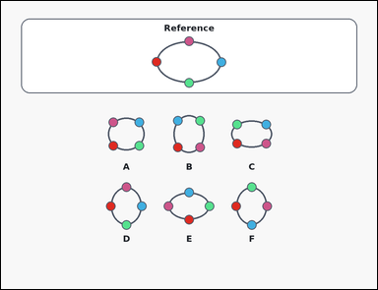 | 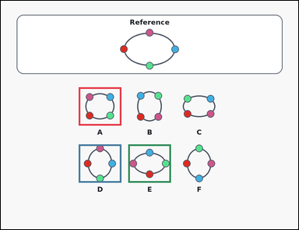 | task_puzzles_topology_bead_equivalence_count | color_cycle_count | Work from the reference loop and the labeled option loops in the image: an outline-style reference bead loop above several labeled option loops. How many labeled option loops preserve the same cyclic bead order as the reference loop when rotation and smooth deformation are allowed but reflection is not? Return the count of option loops with the same cyclic color order as an integer. Return a valid JSON object with keys "evidence" and "answer" in that order. Evidence rule: set "evidence" to an array containing one bounding box [x1, y1, x2, y2] for each valid option image, ordered from left to right and then top to bottom. Answer rule: set "answer" to the exact number of valid option loops as an integer. Example JSON: {"evidence":[[174,463,346,617],[574,463,746,617]],"answer":2} | Work from the reference loop and the labeled option loops in the image: an outline-style reference bead loop above several labeled option loops. How many labeled option loops preserve the same cyclic bead order as the reference loop when rotation and smooth deformation are allowed but reflection is not? Return the count of option loops with the same cyclic color order as an integer. Return a valid JSON object with key "answer". Answer rule: set "answer" to the exact number of valid option loops as an integer. Example JSON: {"answer":2} | {"evidence": [[314.0, 348.0, 486.0, 502.0], [314.0, 578.0, 486.0, 732.0], [514.0, 578.0, 686.0, 732.0]], "answer": 3} | [[314.0, 348.0, 486.0, 502.0], [314.0, 578.0, 486.0, 732.0], [514.0, 578.0, 686.0, 732.0]] | integer | bbox_set | 923117197678861 | puzzles/task_puzzles_topology_bead_equivalence_count/images/color_cycle_count/0010.png | puzzles/task_puzzles_topology_bead_equivalence_count/data/color_cycle_count/0010.json
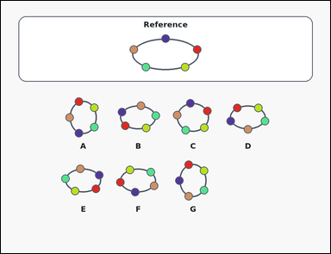 | 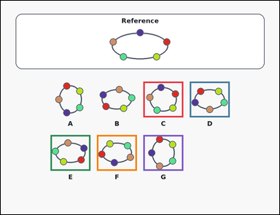 | task_puzzles_topology_bead_equivalence_count | color_cycle_count | Look at the bead-loop puzzle in the image: an outline-style reference bead loop above several labeled option loops. How many labeled option loops preserve the same cyclic bead order as the reference loop when rotation and smooth deformation are allowed but reflection is not? Count the options whose colored bead cycle matches the reference up to rotation, then answer as an integer. Return a valid JSON object with keys "evidence" and "answer" in that order. Evidence: set "evidence" to an array containing one bounding box [x1, y1, x2, y2] for each valid option image, ordered from left to right and then top to bottom. Answer: set "answer" to the exact number of valid option loops as an integer. Example JSON: {"evidence":[[174,463,346,617],[574,463,746,617]],"answer":2} | Look at the bead-loop puzzle in the image: an outline-style reference bead loop above several labeled option loops. How many labeled option loops preserve the same cyclic bead order as the reference loop when rotation and smooth deformation are allowed but reflection is not? Count the options whose colored bead cycle matches the reference up to rotation, then answer as an integer. Return a valid JSON object with key "answer". Answer requirement: set "answer" to the exact number of valid option loops as an integer. Example JSON: {"answer":2} | {"evidence": [[614.0, 348.0, 786.0, 502.0], [814.0, 348.0, 986.0, 502.0], [214.0, 578.0, 386.0, 732.0], [414.0, 578.0, 586.0, 732.0], [614.0, 578.0, 786.0, 732.0]], "answer": 5} | [[614.0, 348.0, 786.0, 502.0], [814.0, 348.0, 986.0, 502.0], [214.0, 578.0, 386.0, 732.0], [414.0, 578.0, 586.0, 732.0], [614.0, 578.0, 786.0, 732.0]] | integer | bbox_set | 1.3107883676E+15 | puzzles/task_puzzles_topology_bead_equivalence_count/images/color_cycle_count/0008.png | puzzles/task_puzzles_topology_bead_equivalence_count/data/color_cycle_count/0008.json
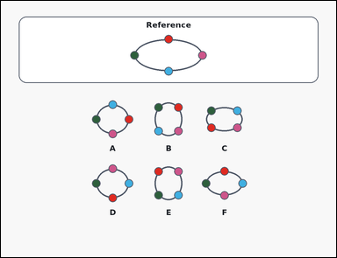 | 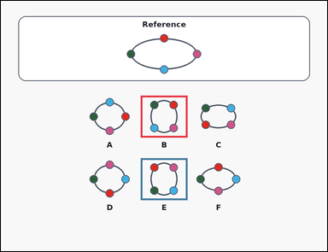 | task_puzzles_topology_bead_equivalence_count | color_cycle_count | Look at the bead-loop puzzle in the image: an outline-style reference bead loop above several labeled option loops. How many option loops match the reference loop up to rotation only, while keeping the bead order around the loop unchanged? Compare the colored bead order around each loop and return the valid-option count as an integer. Return a valid JSON object with keys "evidence" and "answer" in that order. Evidence requirement: set "evidence" to an array containing one bounding box [x1, y1, x2, y2] for each valid option image, ordered from left to right and then top to bottom. Answer format: set "answer" to the exact number of valid option loops as an integer. Example JSON: {"evidence":[[174,463,346,617],[574,463,746,617]],"answer":2} | Look at the bead-loop puzzle in the image: an outline-style reference bead loop above several labeled option loops. How many option loops match the reference loop up to rotation only, while keeping the bead order around the loop unchanged? Compare the colored bead order around each loop and return the valid-option count as an integer. Return a valid JSON object with key "answer". Answer field: set "answer" to the exact number of valid option loops as an integer. Example JSON: {"answer":2} | {"evidence": [[514.0, 348.0, 686.0, 502.0], [514.0, 578.0, 686.0, 732.0]], "answer": 2} | [[514.0, 348.0, 686.0, 502.0], [514.0, 578.0, 686.0, 732.0]] | integer | bbox_set | 1.8571214656E+15 | puzzles/task_puzzles_topology_bead_equivalence_count/images/color_cycle_count/0009.png | puzzles/task_puzzles_topology_bead_equivalence_count/data/color_cycle_count/0009.json
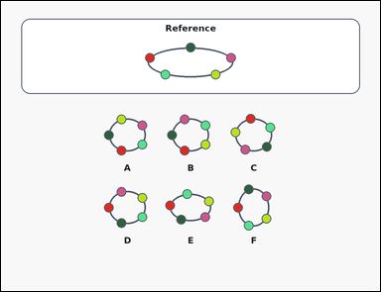 | 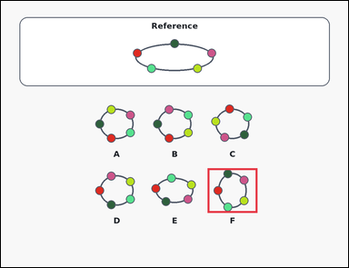 | task_puzzles_topology_bead_equivalence_count | color_cycle_count | Look at the bead-loop puzzle in the image: an outline-style reference bead loop above several labeled option loops. Count the option loops that have the same clockwise bead order as the reference loop, up to rotation, without allowing a flip. Compare the colored bead order around each loop and return the valid-option count as an integer. Return a valid JSON object with keys "evidence" and "answer" in that order. Evidence: set "evidence" to an array containing one bounding box [x1, y1, x2, y2] for each valid option image, ordered from left to right and then top to bottom. Answer: set "answer" to the exact number of valid option loops as an integer. Example JSON: {"evidence":[[174,463,346,617],[574,463,746,617]],"answer":2} | Look at the bead-loop puzzle in the image: an outline-style reference bead loop above several labeled option loops. Count the option loops that have the same clockwise bead order as the reference loop, up to rotation, without allowing a flip. Compare the colored bead order around each loop and return the valid-option count as an integer. Return a valid JSON object with key "answer". Answer: set "answer" to the exact number of valid option loops as an integer. Example JSON: {"answer":2} | {"evidence": [[714.0, 578.0, 886.0, 732.0]], "answer": 1} | [[714.0, 578.0, 886.0, 732.0]] | integer | bbox_set | 2.9837286821E+15 | puzzles/task_puzzles_topology_bead_equivalence_count/images/color_cycle_count/0011.png | puzzles/task_puzzles_topology_bead_equivalence_count/data/color_cycle_count/0011.json
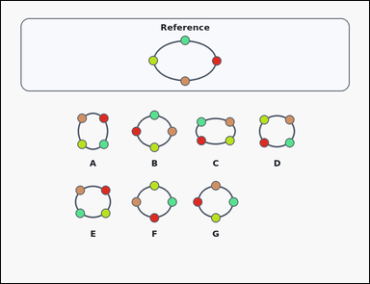 | 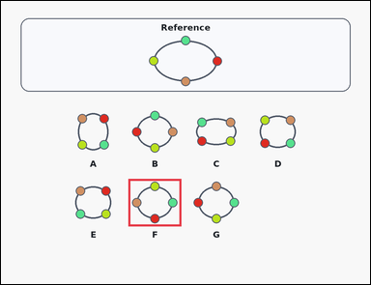 | task_puzzles_topology_bead_equivalence_count | color_cycle_count | You are given a card-style reference bead loop above several labeled option loops. Count the option loops that have the same clockwise bead order as the reference loop, up to rotation, without allowing a flip. Use the colored bead order around the loops and give the number of valid options as an integer. Return a valid JSON object with keys "evidence" and "answer" in that order. Evidence format: set "evidence" to an array containing one bounding box [x1, y1, x2, y2] for each valid option image, ordered from left to right and then top to bottom. Answer requirement: set "answer" to the exact number of valid option loops as an integer. Example JSON: {"evidence":[[174,463,346,617],[574,463,746,617]],"answer":2} | You are given a card-style reference bead loop above several labeled option loops. Count the option loops that have the same clockwise bead order as the reference loop, up to rotation, without allowing a flip. Use the colored bead order around the loops and give the number of valid options as an integer. Return a valid JSON object with key "answer". Answer field: set "answer" to the exact number of valid option loops as an integer. Example JSON: {"answer":2} | {"evidence": [[414.0, 578.0, 586.0, 732.0]], "answer": 1} | [[414.0, 578.0, 586.0, 732.0]] | integer | bbox_set | 3.0297661575E+15 | puzzles/task_puzzles_topology_bead_equivalence_count/images/color_cycle_count/0024.png | puzzles/task_puzzles_topology_bead_equivalence_count/data/color_cycle_count/0024.json
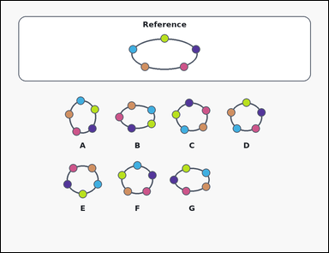 | 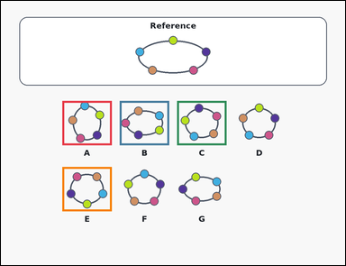 | task_puzzles_topology_bead_equivalence_count | color_cycle_count | Work from the reference loop and the labeled option loops in the image: an outline-style reference bead loop above several labeled option loops. How many option loops match the reference loop up to rotation only, while keeping the bead order around the loop unchanged? Compare the colored bead order around each loop and return the valid-option count as an integer. Return a valid JSON object with keys "evidence" and "answer" in that order. Evidence format: set "evidence" to an array containing one bounding box [x1, y1, x2, y2] for each valid option image, ordered from left to right and then top to bottom. Answer requirement: set "answer" to the exact number of valid option loops as an integer. Example JSON: {"evidence":[[174,463,346,617],[574,463,746,617]],"answer":2} | Work from the reference loop and the labeled option loops in the image: an outline-style reference bead loop above several labeled option loops. How many option loops match the reference loop up to rotation only, while keeping the bead order around the loop unchanged? Compare the colored bead order around each loop and return the valid-option count as an integer. Return a valid JSON object with key "answer". Answer field: set "answer" to the exact number of valid option loops as an integer. Example JSON: {"answer":2} | {"evidence": [[214.0, 348.0, 386.0, 502.0], [414.0, 348.0, 586.0, 502.0], [614.0, 348.0, 786.0, 502.0], [214.0, 578.0, 386.0, 732.0]], "answer": 4} | [[214.0, 348.0, 386.0, 502.0], [414.0, 348.0, 586.0, 502.0], [614.0, 348.0, 786.0, 502.0], [214.0, 578.0, 386.0, 732.0]] | integer | bbox_set | 3.4290813407E+15 | puzzles/task_puzzles_topology_bead_equivalence_count/images/color_cycle_count/0006.png | puzzles/task_puzzles_topology_bead_equivalence_count/data/color_cycle_count/0006.json
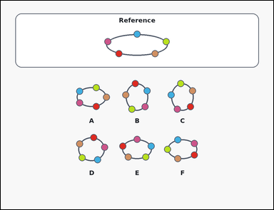 | 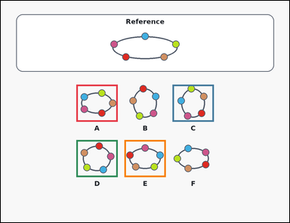 | task_puzzles_topology_bead_equivalence_count | color_cycle_count | The image shows an outline-style reference bead loop above several labeled option loops. Count the option loops that can be made from the reference loop without cutting the string, passing beads through each other, or reversing the bead order. Use the bead colors to determine which option loops are valid, then answer with the count as an integer. Return a valid JSON object with keys "evidence" and "answer" in that order. Evidence format: set "evidence" to an array containing one bounding box [x1, y1, x2, y2] for each valid option image, ordered from left to right and then top to bottom. Answer requirement: set "answer" to the exact number of valid option loops as an integer. Example JSON: {"evidence":[[174,463,346,617],[574,463,746,617]],"answer":2} | The image shows an outline-style reference bead loop above several labeled option loops. Count the option loops that can be made from the reference loop without cutting the string, passing beads through each other, or reversing the bead order. Use the bead colors to determine which option loops are valid, then answer with the count as an integer. Return a valid JSON object with key "answer". Answer field: set "answer" to the exact number of valid option loops as an integer. Example JSON: {"answer":2} | {"evidence": [[314.0, 348.0, 486.0, 502.0], [714.0, 348.0, 886.0, 502.0], [314.0, 578.0, 486.0, 732.0], [514.0, 578.0, 686.0, 732.0]], "answer": 4} | [[314.0, 348.0, 486.0, 502.0], [714.0, 348.0, 886.0, 502.0], [314.0, 578.0, 486.0, 732.0], [514.0, 578.0, 686.0, 732.0]] | integer | bbox_set | 3.4821003968E+15 | puzzles/task_puzzles_topology_bead_equivalence_count/images/color_cycle_count/0014.png | puzzles/task_puzzles_topology_bead_equivalence_count/data/color_cycle_count/0014.json
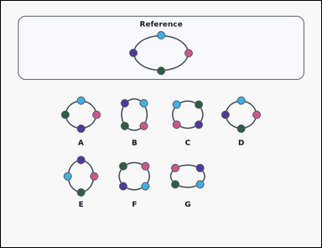 | 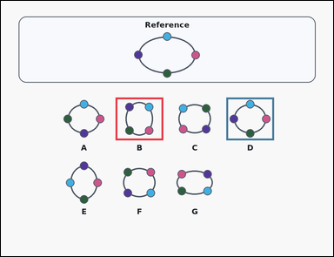 | task_puzzles_topology_bead_equivalence_count | color_cycle_count | You are given a card-style reference bead loop above several labeled option loops. How many labeled option loops preserve the same cyclic bead order as the reference loop when rotation and smooth deformation are allowed but reflection is not? Count the options whose colored bead cycle matches the reference up to rotation, then answer as an integer. Return a valid JSON object with keys "evidence" and "answer" in that order. Evidence requirement: set "evidence" to an array containing one bounding box [x1, y1, x2, y2] for each valid option image, ordered from left to right and then top to bottom. Answer format: set "answer" to the exact number of valid option loops as an integer. Example JSON: {"evidence":[[174,463,346,617],[574,463,746,617]],"answer":2} | You are given a card-style reference bead loop above several labeled option loops. How many labeled option loops preserve the same cyclic bead order as the reference loop when rotation and smooth deformation are allowed but reflection is not? Count the options whose colored bead cycle matches the reference up to rotation, then answer as an integer. Return a valid JSON object with key "answer". Answer requirement: set "answer" to the exact number of valid option loops as an integer. Example JSON: {"answer":2} | {"evidence": [[414.0, 348.0, 586.0, 502.0], [814.0, 348.0, 986.0, 502.0]], "answer": 2} | [[414.0, 348.0, 586.0, 502.0], [814.0, 348.0, 986.0, 502.0]] | integer | bbox_set | 3.4841349816E+15 | puzzles/task_puzzles_topology_bead_equivalence_count/images/color_cycle_count/0003.png | puzzles/task_puzzles_topology_bead_equivalence_count/data/color_cycle_count/0003.json
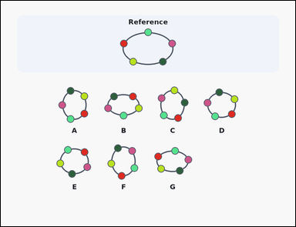 | 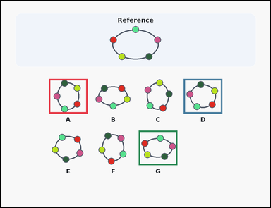 | task_puzzles_topology_bead_equivalence_count | color_cycle_count | Work from the reference loop and the labeled option loops in the image: a reference bead loop above several labeled option loops. Count the option loops that can be made from the reference loop without cutting the string, passing beads through each other, or reversing the bead order. Return the count of option loops with the same cyclic color order as an integer. Return a valid JSON object with keys "evidence" and "answer" in that order. Evidence format: set "evidence" to an array containing one bounding box [x1, y1, x2, y2] for each valid option image, ordered from left to right and then top to bottom. Answer requirement: set "answer" to the exact number of valid option loops as an integer. Example JSON: {"evidence":[[174,463,346,617],[574,463,746,617]],"answer":2} | Work from the reference loop and the labeled option loops in the image: a reference bead loop above several labeled option loops. Count the option loops that can be made from the reference loop without cutting the string, passing beads through each other, or reversing the bead order. Return the count of option loops with the same cyclic color order as an integer. Return a valid JSON object with key "answer". Answer format: set "answer" to the exact number of valid option loops as an integer. Example JSON: {"answer":2} | {"evidence": [[214.0, 348.0, 386.0, 502.0], [814.0, 348.0, 986.0, 502.0], [614.0, 578.0, 786.0, 732.0]], "answer": 3} | [[214.0, 348.0, 386.0, 502.0], [814.0, 348.0, 986.0, 502.0], [614.0, 578.0, 786.0, 732.0]] | integer | bbox_set | 3.6518705589E+15 | puzzles/task_puzzles_topology_bead_equivalence_count/images/color_cycle_count/0016.png | puzzles/task_puzzles_topology_bead_equivalence_count/data/color_cycle_count/0016.json
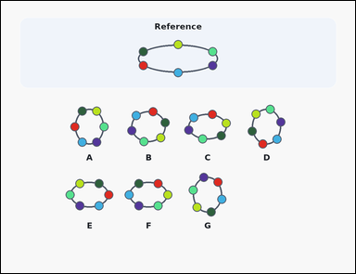 | 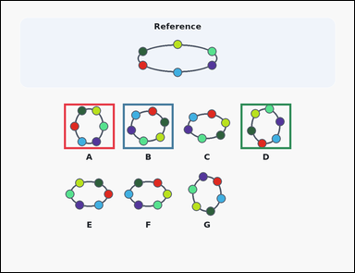 | task_puzzles_topology_bead_equivalence_count | color_cycle_count | You are given a reference bead loop above several labeled option loops. Count the option loops that have the same clockwise bead order as the reference loop, up to rotation, without allowing a flip. Count the options whose colored bead cycle matches the reference up to rotation, then answer as an integer. Return a valid JSON object with keys "evidence" and "answer" in that order. Evidence rule: set "evidence" to an array containing one bounding box [x1, y1, x2, y2] for each valid option image, ordered from left to right and then top to bottom. Answer rule: set "answer" to the exact number of valid option loops as an integer. Example JSON: {"evidence":[[174,463,346,617],[574,463,746,617]],"answer":2} | You are given a reference bead loop above several labeled option loops. Count the option loops that have the same clockwise bead order as the reference loop, up to rotation, without allowing a flip. Count the options whose colored bead cycle matches the reference up to rotation, then answer as an integer. Return a valid JSON object with key "answer". Answer field: set "answer" to the exact number of valid option loops as an integer. Example JSON: {"answer":2} | {"evidence": [[214.0, 348.0, 386.0, 502.0], [414.0, 348.0, 586.0, 502.0], [814.0, 348.0, 986.0, 502.0]], "answer": 3} | [[214.0, 348.0, 386.0, 502.0], [414.0, 348.0, 586.0, 502.0], [814.0, 348.0, 986.0, 502.0]] | integer | bbox_set | 3.926940325E+15 | puzzles/task_puzzles_topology_bead_equivalence_count/images/color_cycle_count/0007.png | puzzles/task_puzzles_topology_bead_equivalence_count/data/color_cycle_count/0007.json
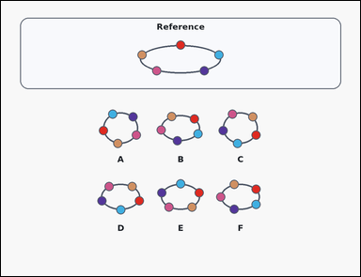 | 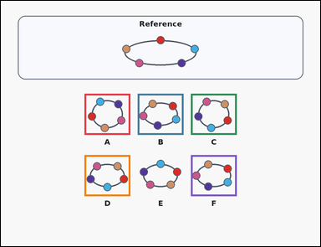 | task_puzzles_topology_bead_equivalence_count | color_cycle_count | Work from the reference loop and the labeled option loops in the image: a card-style reference bead loop above several labeled option loops. How many labeled option loops preserve the same cyclic bead order as the reference loop when rotation and smooth deformation are allowed but reflection is not? Count the options whose colored bead cycle matches the reference up to rotation, then answer as an integer. Return a valid JSON object with keys "evidence" and "answer" in that order. Evidence format: set "evidence" to an array containing one bounding box [x1, y1, x2, y2] for each valid option image, ordered from left to right and then top to bottom. Answer requirement: set "answer" to the exact number of valid option loops as an integer. Example JSON: {"evidence":[[174,463,346,617],[574,463,746,617]],"answer":2} | Work from the reference loop and the labeled option loops in the image: a card-style reference bead loop above several labeled option loops. How many labeled option loops preserve the same cyclic bead order as the reference loop when rotation and smooth deformation are allowed but reflection is not? Count the options whose colored bead cycle matches the reference up to rotation, then answer as an integer. Return a valid JSON object with key "answer". Answer requirement: set "answer" to the exact number of valid option loops as an integer. Example JSON: {"answer":2} | {"evidence": [[314.0, 348.0, 486.0, 502.0], [514.0, 348.0, 686.0, 502.0], [714.0, 348.0, 886.0, 502.0], [314.0, 578.0, 486.0, 732.0], [714.0, 578.0, 886.0, 732.0]], "answer": 5} | [[314.0, 348.0, 486.0, 502.0], [514.0, 348.0, 686.0, 502.0], [714.0, 348.0, 886.0, 502.0], [314.0, 578.0, 486.0, 732.0], [714.0, 578.0, 886.0, 732.0]] | integer | bbox_set | 3.9674377907E+15 | puzzles/task_puzzles_topology_bead_equivalence_count/images/color_cycle_count/0002.png | puzzles/task_puzzles_topology_bead_equivalence_count/data/color_cycle_count/0002.json
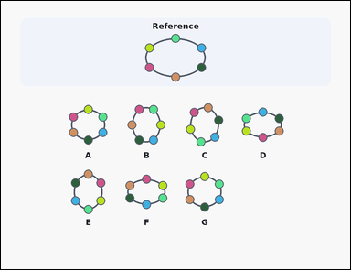 | 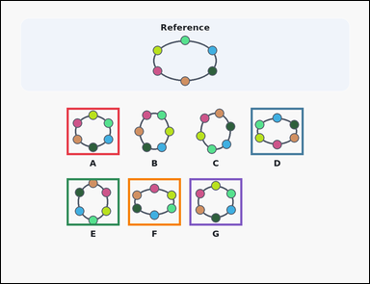 | task_puzzles_topology_bead_equivalence_count | color_cycle_count | You are given a reference bead loop above several labeled option loops. How many labeled option loops preserve the same cyclic bead order as the reference loop when rotation and smooth deformation are allowed but reflection is not? Use the bead colors to determine which option loops are valid, then answer with the count as an integer. Return a valid JSON object with keys "evidence" and "answer" in that order. Evidence field: set "evidence" to an array containing one bounding box [x1, y1, x2, y2] for each valid option image, ordered from left to right and then top to bottom. Answer field: set "answer" to the exact number of valid option loops as an integer. Example JSON: {"evidence":[[174,463,346,617],[574,463,746,617]],"answer":2} | You are given a reference bead loop above several labeled option loops. How many labeled option loops preserve the same cyclic bead order as the reference loop when rotation and smooth deformation are allowed but reflection is not? Use the bead colors to determine which option loops are valid, then answer with the count as an integer. Return a valid JSON object with key "answer". Answer field: set "answer" to the exact number of valid option loops as an integer. Example JSON: {"answer":2} | {"evidence": [[214.0, 348.0, 386.0, 502.0], [814.0, 348.0, 986.0, 502.0], [214.0, 578.0, 386.0, 732.0], [414.0, 578.0, 586.0, 732.0], [614.0, 578.0, 786.0, 732.0]], "answer": 5} | [[214.0, 348.0, 386.0, 502.0], [814.0, 348.0, 986.0, 502.0], [214.0, 578.0, 386.0, 732.0], [414.0, 578.0, 586.0, 732.0], [614.0, 578.0, 786.0, 732.0]] | integer | bbox_set | 4.2710881494E+15 | puzzles/task_puzzles_topology_bead_equivalence_count/images/color_cycle_count/0020.png | puzzles/task_puzzles_topology_bead_equivalence_count/data/color_cycle_count/0020.json
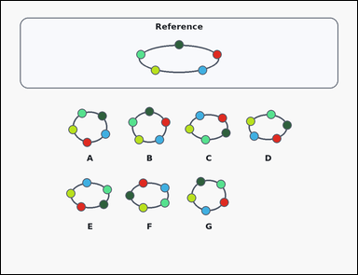 | 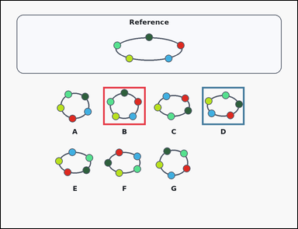 | task_puzzles_topology_bead_equivalence_count | color_cycle_count | You are given a card-style reference bead loop above several labeled option loops. Count the option loops that have the same clockwise bead order as the reference loop, up to rotation, without allowing a flip. Count the options whose colored bead cycle matches the reference up to rotation, then answer as an integer. Return a valid JSON object with keys "evidence" and "answer" in that order. Evidence field: set "evidence" to an array containing one bounding box [x1, y1, x2, y2] for each valid option image, ordered from left to right and then top to bottom. Answer field: set "answer" to the exact number of valid option loops as an integer. Example JSON: {"evidence":[[174,463,346,617],[574,463,746,617]],"answer":2} | You are given a card-style reference bead loop above several labeled option loops. Count the option loops that have the same clockwise bead order as the reference loop, up to rotation, without allowing a flip. Count the options whose colored bead cycle matches the reference up to rotation, then answer as an integer. Return a valid JSON object with key "answer". Answer requirement: set "answer" to the exact number of valid option loops as an integer. Example JSON: {"answer":2} | {"evidence": [[414.0, 348.0, 586.0, 502.0], [814.0, 348.0, 986.0, 502.0]], "answer": 2} | [[414.0, 348.0, 586.0, 502.0], [814.0, 348.0, 986.0, 502.0]] | integer | bbox_set | 4.5452099876E+15 | puzzles/task_puzzles_topology_bead_equivalence_count/images/color_cycle_count/0019.png | puzzles/task_puzzles_topology_bead_equivalence_count/data/color_cycle_count/0019.json
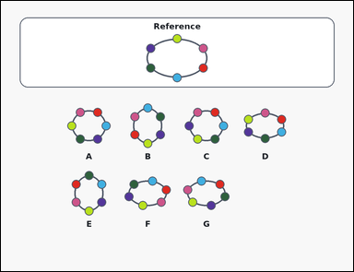 | 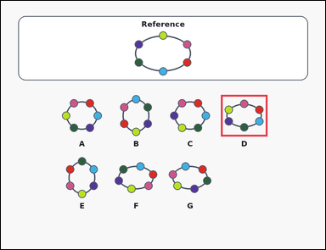 | task_puzzles_topology_bead_equivalence_count | color_cycle_count | Look at the bead-loop puzzle in the image: an outline-style reference bead loop above several labeled option loops. Count the option loops that have the same clockwise bead order as the reference loop, up to rotation, without allowing a flip. Count the options whose colored bead cycle matches the reference up to rotation, then answer as an integer. Return a valid JSON object with keys "evidence" and "answer" in that order. Evidence: set "evidence" to an array containing one bounding box [x1, y1, x2, y2] for each valid option image, ordered from left to right and then top to bottom. Answer: set "answer" to the exact number of valid option loops as an integer. Example JSON: {"evidence":[[174,463,346,617],[574,463,746,617]],"answer":2} | Look at the bead-loop puzzle in the image: an outline-style reference bead loop above several labeled option loops. Count the option loops that have the same clockwise bead order as the reference loop, up to rotation, without allowing a flip. Count the options whose colored bead cycle matches the reference up to rotation, then answer as an integer. Return a valid JSON object with key "answer". Answer field: set "answer" to the exact number of valid option loops as an integer. Example JSON: {"answer":2} | {"evidence": [[814.0, 348.0, 986.0, 502.0]], "answer": 1} | [[814.0, 348.0, 986.0, 502.0]] | integer | bbox_set | 5.1976716601E+15 | puzzles/task_puzzles_topology_bead_equivalence_count/images/color_cycle_count/0021.png | puzzles/task_puzzles_topology_bead_equivalence_count/data/color_cycle_count/0021.json
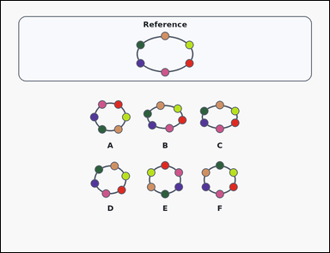 | 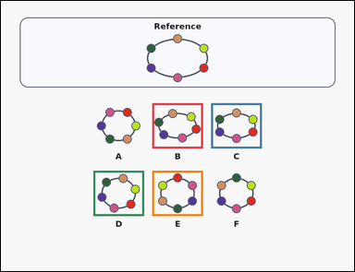 | task_puzzles_topology_bead_equivalence_count | color_cycle_count | Look at the bead-loop puzzle in the image: a card-style reference bead loop above several labeled option loops. How many option loops match the reference loop up to rotation only, while keeping the bead order around the loop unchanged? Use the bead colors to determine which option loops are valid, then answer with the count as an integer. Return a valid JSON object with keys "evidence" and "answer" in that order. Evidence format: set "evidence" to an array containing one bounding box [x1, y1, x2, y2] for each valid option image, ordered from left to right and then top to bottom. Answer requirement: set "answer" to the exact number of valid option loops as an integer. Example JSON: {"evidence":[[174,463,346,617],[574,463,746,617]],"answer":2} | Look at the bead-loop puzzle in the image: a card-style reference bead loop above several labeled option loops. How many option loops match the reference loop up to rotation only, while keeping the bead order around the loop unchanged? Use the bead colors to determine which option loops are valid, then answer with the count as an integer. Return a valid JSON object with key "answer". Answer field: set "answer" to the exact number of valid option loops as an integer. Example JSON: {"answer":2} | {"evidence": [[514.0, 348.0, 686.0, 502.0], [714.0, 348.0, 886.0, 502.0], [314.0, 578.0, 486.0, 732.0], [514.0, 578.0, 686.0, 732.0]], "answer": 4} | [[514.0, 348.0, 686.0, 502.0], [714.0, 348.0, 886.0, 502.0], [314.0, 578.0, 486.0, 732.0], [514.0, 578.0, 686.0, 732.0]] | integer | bbox_set | 5.3443663986E+15 | puzzles/task_puzzles_topology_bead_equivalence_count/images/color_cycle_count/0018.png | puzzles/task_puzzles_topology_bead_equivalence_count/data/color_cycle_count/0018.json
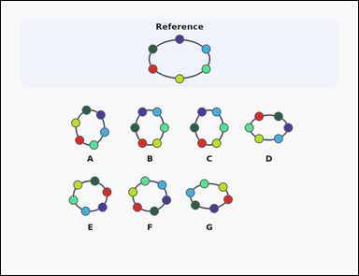 | 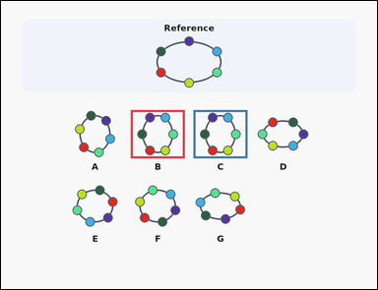 | task_puzzles_topology_bead_equivalence_count | color_cycle_count | The image shows a reference bead loop above several labeled option loops. How many option loops can be obtained from the reference loop by rotating or smoothly deforming the loop, without cutting the string, moving beads through each other, or flipping the loop over? Use the colored bead order around the loops and give the number of valid options as an integer. Return a valid JSON object with keys "evidence" and "answer" in that order. Evidence rule: set "evidence" to an array containing one bounding box [x1, y1, x2, y2] for each valid option image, ordered from left to right and then top to bottom. Answer rule: set "answer" to the exact number of valid option loops as an integer. Example JSON: {"evidence":[[174,463,346,617],[574,463,746,617]],"answer":2} | The image shows a reference bead loop above several labeled option loops. How many option loops can be obtained from the reference loop by rotating or smoothly deforming the loop, without cutting the string, moving beads through each other, or flipping the loop over? Use the colored bead order around the loops and give the number of valid options as an integer. Return a valid JSON object with key "answer". Answer format: set "answer" to the exact number of valid option loops as an integer. Example JSON: {"answer":2} | {"evidence": [[414.0, 348.0, 586.0, 502.0], [614.0, 348.0, 786.0, 502.0]], "answer": 2} | [[414.0, 348.0, 586.0, 502.0], [614.0, 348.0, 786.0, 502.0]] | integer | bbox_set | 5.5353328148E+15 | puzzles/task_puzzles_topology_bead_equivalence_count/images/color_cycle_count/0001.png | puzzles/task_puzzles_topology_bead_equivalence_count/data/color_cycle_count/0001.json
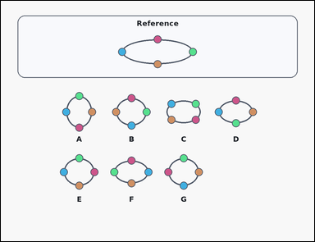 | 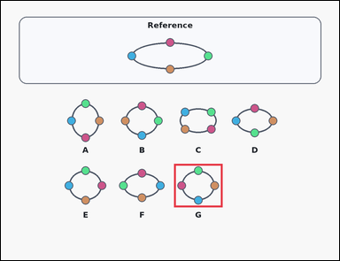 | task_puzzles_topology_bead_equivalence_count | color_cycle_count | Look at the bead-loop puzzle in the image: a card-style reference bead loop above several labeled option loops. How many labeled option loops preserve the same cyclic bead order as the reference loop when rotation and smooth deformation are allowed but reflection is not? Count the options whose colored bead cycle matches the reference up to rotation, then answer as an integer. Return a valid JSON object with keys "evidence" and "answer" in that order. Evidence requirement: set "evidence" to an array containing one bounding box [x1, y1, x2, y2] for each valid option image, ordered from left to right and then top to bottom. Answer format: set "answer" to the exact number of valid option loops as an integer. Example JSON: {"evidence":[[174,463,346,617],[574,463,746,617]],"answer":2} | Look at the bead-loop puzzle in the image: a card-style reference bead loop above several labeled option loops. How many labeled option loops preserve the same cyclic bead order as the reference loop when rotation and smooth deformation are allowed but reflection is not? Count the options whose colored bead cycle matches the reference up to rotation, then answer as an integer. Return a valid JSON object with key "answer". Answer format: set "answer" to the exact number of valid option loops as an integer. Example JSON: {"answer":2} | {"evidence": [[614.0, 578.0, 786.0, 732.0]], "answer": 1} | [[614.0, 578.0, 786.0, 732.0]] | integer | bbox_set | 5.8197837213E+15 | puzzles/task_puzzles_topology_bead_equivalence_count/images/color_cycle_count/0013.png | puzzles/task_puzzles_topology_bead_equivalence_count/data/color_cycle_count/0013.json
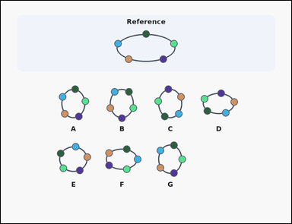 | 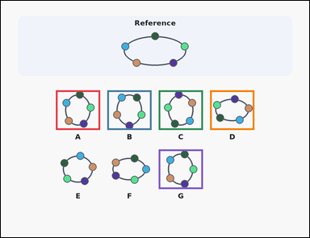 | task_puzzles_topology_bead_equivalence_count | color_cycle_count | The image shows a reference bead loop above several labeled option loops. Count the option loops that have the same clockwise bead order as the reference loop, up to rotation, without allowing a flip. Count the options whose colored bead cycle matches the reference up to rotation, then answer as an integer. Return a valid JSON object with keys "evidence" and "answer" in that order. Evidence field: set "evidence" to an array containing one bounding box [x1, y1, x2, y2] for each valid option image, ordered from left to right and then top to bottom. Answer field: set "answer" to the exact number of valid option loops as an integer. Example JSON: {"evidence":[[174,463,346,617],[574,463,746,617]],"answer":2} | The image shows a reference bead loop above several labeled option loops. Count the option loops that have the same clockwise bead order as the reference loop, up to rotation, without allowing a flip. Count the options whose colored bead cycle matches the reference up to rotation, then answer as an integer. Return a valid JSON object with key "answer". Answer: set "answer" to the exact number of valid option loops as an integer. Example JSON: {"answer":2} | {"evidence": [[214.0, 348.0, 386.0, 502.0], [414.0, 348.0, 586.0, 502.0], [614.0, 348.0, 786.0, 502.0], [814.0, 348.0, 986.0, 502.0], [614.0, 578.0, 786.0, 732.0]], "answer": 5} | [[214.0, 348.0, 386.0, 502.0], [414.0, 348.0, 586.0, 502.0], [614.0, 348.0, 786.0, 502.0], [814.0, 348.0, 986.0, 502.0], [614.0, 578.0, 786.0, 732.0]] | integer | bbox_set | 6.1739776781E+15 | puzzles/task_puzzles_topology_bead_equivalence_count/images/color_cycle_count/0015.png | puzzles/task_puzzles_topology_bead_equivalence_count/data/color_cycle_count/0015.json
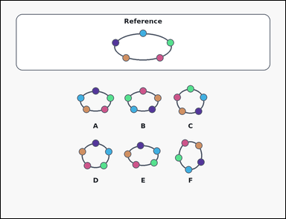 | 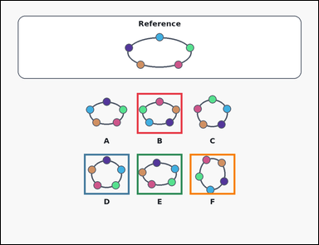 | task_puzzles_topology_bead_equivalence_count | color_cycle_count | Use the reference bead loop and the option loops shown in the image: an outline-style reference bead loop above several labeled option loops. Count the option loops that can be made from the reference loop without cutting the string, passing beads through each other, or reversing the bead order. Use the colored bead order around the loops and give the number of valid options as an integer. Return a valid JSON object with keys "evidence" and "answer" in that order. Evidence rule: set "evidence" to an array containing one bounding box [x1, y1, x2, y2] for each valid option image, ordered from left to right and then top to bottom. Answer rule: set "answer" to the exact number of valid option loops as an integer. Example JSON: {"evidence":[[174,463,346,617],[574,463,746,617]],"answer":2} | Use the reference bead loop and the option loops shown in the image: an outline-style reference bead loop above several labeled option loops. Count the option loops that can be made from the reference loop without cutting the string, passing beads through each other, or reversing the bead order. Use the colored bead order around the loops and give the number of valid options as an integer. Return a valid JSON object with key "answer". Answer format: set "answer" to the exact number of valid option loops as an integer. Example JSON: {"answer":2} | {"evidence": [[514.0, 348.0, 686.0, 502.0], [314.0, 578.0, 486.0, 732.0], [514.0, 578.0, 686.0, 732.0], [714.0, 578.0, 886.0, 732.0]], "answer": 4} | [[514.0, 348.0, 686.0, 502.0], [314.0, 578.0, 486.0, 732.0], [514.0, 578.0, 686.0, 732.0], [714.0, 578.0, 886.0, 732.0]] | integer | bbox_set | 7.542916593E+15 | puzzles/task_puzzles_topology_bead_equivalence_count/images/color_cycle_count/0004.png | puzzles/task_puzzles_topology_bead_equivalence_count/data/color_cycle_count/0004.json
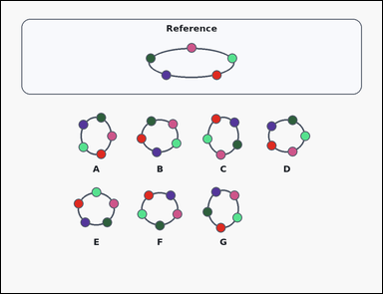 | 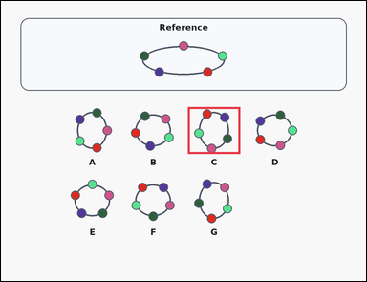 | task_puzzles_topology_bead_equivalence_count | color_cycle_count | Work from the reference loop and the labeled option loops in the image: a card-style reference bead loop above several labeled option loops. How many option loops can be obtained from the reference loop by rotating or smoothly deforming the loop, without cutting the string, moving beads through each other, or flipping the loop over? Compare the colored bead order around each loop and return the valid-option count as an integer. Return a valid JSON object with keys "evidence" and "answer" in that order. Evidence rule: set "evidence" to an array containing one bounding box [x1, y1, x2, y2] for each valid option image, ordered from left to right and then top to bottom. Answer rule: set "answer" to the exact number of valid option loops as an integer. Example JSON: {"evidence":[[174,463,346,617],[574,463,746,617]],"answer":2} | Work from the reference loop and the labeled option loops in the image: a card-style reference bead loop above several labeled option loops. How many option loops can be obtained from the reference loop by rotating or smoothly deforming the loop, without cutting the string, moving beads through each other, or flipping the loop over? Compare the colored bead order around each loop and return the valid-option count as an integer. Return a valid JSON object with key "answer". Answer format: set "answer" to the exact number of valid option loops as an integer. Example JSON: {"answer":2} | {"evidence": [[614.0, 348.0, 786.0, 502.0]], "answer": 1} | [[614.0, 348.0, 786.0, 502.0]] | integer | bbox_set | 7.9667729187E+15 | puzzles/task_puzzles_topology_bead_equivalence_count/images/color_cycle_count/0017.png | puzzles/task_puzzles_topology_bead_equivalence_count/data/color_cycle_count/0017.json
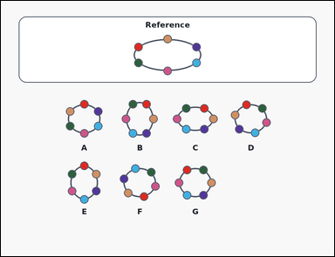 | 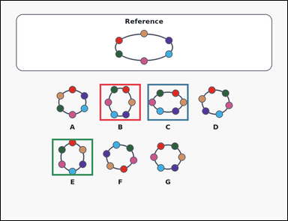 | task_puzzles_topology_bead_equivalence_count | color_cycle_count | Work from the reference loop and the labeled option loops in the image: an outline-style reference bead loop above several labeled option loops. How many labeled option loops preserve the same cyclic bead order as the reference loop when rotation and smooth deformation are allowed but reflection is not? Count the options whose colored bead cycle matches the reference up to rotation, then answer as an integer. Return a valid JSON object with keys "evidence" and "answer" in that order. Evidence rule: set "evidence" to an array containing one bounding box [x1, y1, x2, y2] for each valid option image, ordered from left to right and then top to bottom. Answer rule: set "answer" to the exact number of valid option loops as an integer. Example JSON: {"evidence":[[174,463,346,617],[574,463,746,617]],"answer":2} | Work from the reference loop and the labeled option loops in the image: an outline-style reference bead loop above several labeled option loops. How many labeled option loops preserve the same cyclic bead order as the reference loop when rotation and smooth deformation are allowed but reflection is not? Count the options whose colored bead cycle matches the reference up to rotation, then answer as an integer. Return a valid JSON object with key "answer". Answer format: set "answer" to the exact number of valid option loops as an integer. Example JSON: {"answer":2} | {"evidence": [[414.0, 348.0, 586.0, 502.0], [614.0, 348.0, 786.0, 502.0], [214.0, 578.0, 386.0, 732.0]], "answer": 3} | [[414.0, 348.0, 586.0, 502.0], [614.0, 348.0, 786.0, 502.0], [214.0, 578.0, 386.0, 732.0]] | integer | bbox_set | 8.0190482504E+15 | puzzles/task_puzzles_topology_bead_equivalence_count/images/color_cycle_count/0023.png | puzzles/task_puzzles_topology_bead_equivalence_count/data/color_cycle_count/0023.json
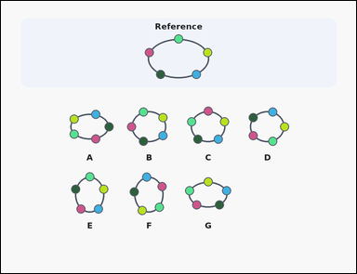 | 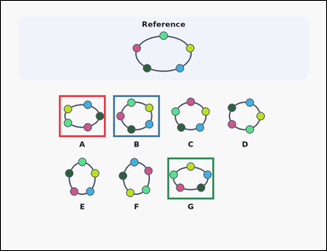 | task_puzzles_topology_bead_equivalence_count | color_cycle_count | Look at the bead-loop puzzle in the image: a reference bead loop above several labeled option loops. Count the option loops that can be made from the reference loop without cutting the string, passing beads through each other, or reversing the bead order. Use the colored bead order around the loops and give the number of valid options as an integer. Return a valid JSON object with keys "evidence" and "answer" in that order. Evidence format: set "evidence" to an array containing one bounding box [x1, y1, x2, y2] for each valid option image, ordered from left to right and then top to bottom. Answer requirement: set "answer" to the exact number of valid option loops as an integer. Example JSON: {"evidence":[[174,463,346,617],[574,463,746,617]],"answer":2} | Look at the bead-loop puzzle in the image: a reference bead loop above several labeled option loops. Count the option loops that can be made from the reference loop without cutting the string, passing beads through each other, or reversing the bead order. Use the colored bead order around the loops and give the number of valid options as an integer. Return a valid JSON object with key "answer". Answer field: set "answer" to the exact number of valid option loops as an integer. Example JSON: {"answer":2} | {"evidence": [[214.0, 348.0, 386.0, 502.0], [414.0, 348.0, 586.0, 502.0], [614.0, 578.0, 786.0, 732.0]], "answer": 3} | [[214.0, 348.0, 386.0, 502.0], [414.0, 348.0, 586.0, 502.0], [614.0, 578.0, 786.0, 732.0]] | integer | bbox_set | 8.5881677589E+15 | puzzles/task_puzzles_topology_bead_equivalence_count/images/color_cycle_count/0022.png | puzzles/task_puzzles_topology_bead_equivalence_count/data/color_cycle_count/0022.json
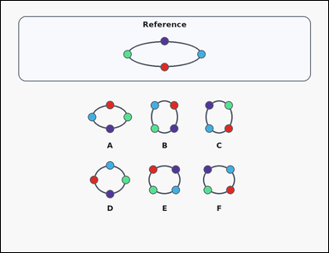 | 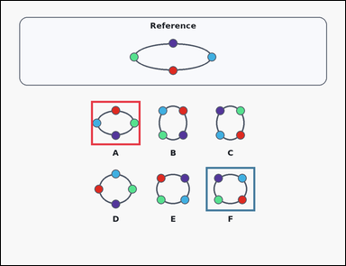 | task_puzzles_topology_bead_equivalence_count | color_cycle_count | You are given a card-style reference bead loop above several labeled option loops. Count the option loops that can be made from the reference loop without cutting the string, passing beads through each other, or reversing the bead order. Count the options whose colored bead cycle matches the reference up to rotation, then answer as an integer. Return a valid JSON object with keys "evidence" and "answer" in that order. Evidence field: set "evidence" to an array containing one bounding box [x1, y1, x2, y2] for each valid option image, ordered from left to right and then top to bottom. Answer field: set "answer" to the exact number of valid option loops as an integer. Example JSON: {"evidence":[[174,463,346,617],[574,463,746,617]],"answer":2} | You are given a card-style reference bead loop above several labeled option loops. Count the option loops that can be made from the reference loop without cutting the string, passing beads through each other, or reversing the bead order. Count the options whose colored bead cycle matches the reference up to rotation, then answer as an integer. Return a valid JSON object with key "answer". Answer requirement: set "answer" to the exact number of valid option loops as an integer. Example JSON: {"answer":2} | {"evidence": [[314.0, 348.0, 486.0, 502.0], [714.0, 578.0, 886.0, 732.0]], "answer": 2} | [[314.0, 348.0, 486.0, 502.0], [714.0, 578.0, 886.0, 732.0]] | integer | bbox_set | 8.6704291817E+15 | puzzles/task_puzzles_topology_bead_equivalence_count/images/color_cycle_count/0000.png | puzzles/task_puzzles_topology_bead_equivalence_count/data/color_cycle_count/0000.json
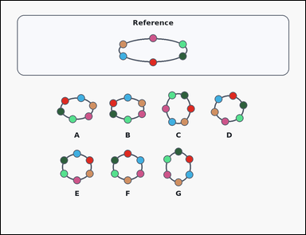 | 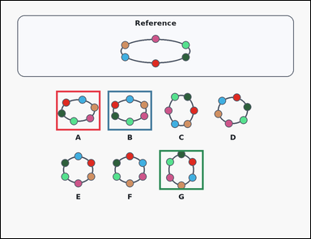 | task_puzzles_topology_bead_equivalence_count | color_cycle_count | Use the reference bead loop and the option loops shown in the image: a card-style reference bead loop above several labeled option loops. How many option loops match the reference loop up to rotation only, while keeping the bead order around the loop unchanged? Return the count of option loops with the same cyclic color order as an integer. Return a valid JSON object with keys "evidence" and "answer" in that order. Evidence field: set "evidence" to an array containing one bounding box [x1, y1, x2, y2] for each valid option image, ordered from left to right and then top to bottom. Answer field: set "answer" to the exact number of valid option loops as an integer. Example JSON: {"evidence":[[174,463,346,617],[574,463,746,617]],"answer":2} | Use the reference bead loop and the option loops shown in the image: a card-style reference bead loop above several labeled option loops. How many option loops match the reference loop up to rotation only, while keeping the bead order around the loop unchanged? Return the count of option loops with the same cyclic color order as an integer. Return a valid JSON object with key "answer". Answer rule: set "answer" to the exact number of valid option loops as an integer. Example JSON: {"answer":2} | {"evidence": [[214.0, 348.0, 386.0, 502.0], [414.0, 348.0, 586.0, 502.0], [614.0, 578.0, 786.0, 732.0]], "answer": 3} | [[214.0, 348.0, 386.0, 502.0], [414.0, 348.0, 586.0, 502.0], [614.0, 578.0, 786.0, 732.0]] | integer | bbox_set | 8.701061409E+15 | puzzles/task_puzzles_topology_bead_equivalence_count/images/color_cycle_count/0012.png | puzzles/task_puzzles_topology_bead_equivalence_count/data/color_cycle_count/0012.json
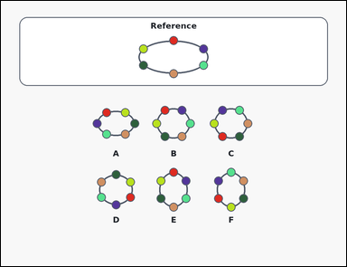 | 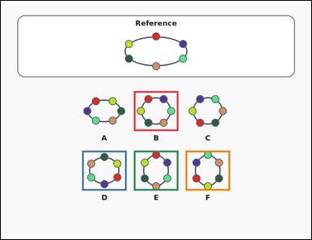 | task_puzzles_topology_bead_equivalence_count | color_cycle_count | Work from the reference loop and the labeled option loops in the image: an outline-style reference bead loop above several labeled option loops. Count the option loops that can be made from the reference loop without cutting the string, passing beads through each other, or reversing the bead order. Return the count of option loops with the same cyclic color order as an integer. Return a valid JSON object with keys "evidence" and "answer" in that order. Evidence rule: set "evidence" to an array containing one bounding box [x1, y1, x2, y2] for each valid option image, ordered from left to right and then top to bottom. Answer rule: set "answer" to the exact number of valid option loops as an integer. Example JSON: {"evidence":[[174,463,346,617],[574,463,746,617]],"answer":2} | Work from the reference loop and the labeled option loops in the image: an outline-style reference bead loop above several labeled option loops. Count the option loops that can be made from the reference loop without cutting the string, passing beads through each other, or reversing the bead order. Return the count of option loops with the same cyclic color order as an integer. Return a valid JSON object with key "answer". Answer rule: set "answer" to the exact number of valid option loops as an integer. Example JSON: {"answer":2} | {"evidence": [[514.0, 348.0, 686.0, 502.0], [314.0, 578.0, 486.0, 732.0], [514.0, 578.0, 686.0, 732.0], [714.0, 578.0, 886.0, 732.0]], "answer": 4} | [[514.0, 348.0, 686.0, 502.0], [314.0, 578.0, 486.0, 732.0], [514.0, 578.0, 686.0, 732.0], [714.0, 578.0, 886.0, 732.0]] | integer | bbox_set | 8.7182366691E+15 | puzzles/task_puzzles_topology_bead_equivalence_count/images/color_cycle_count/0005.png | puzzles/task_puzzles_topology_bead_equivalence_count/data/color_cycle_count/0005.json

mixed_cycle_count
image | evidence_image | task | task_variant | prompt | prompt_answer_only | answer | answer_evidence | answer_type | evidence_type | instance_seed | image_path | data_path
 |  | task_puzzles_topology_bead_equivalence_count | mixed_cycle_count | You are given an outline-style reference bead loop above several labeled option loops. Count the option loops that can be made from the reference loop without cutting the string, passing beads through each other, or reversing the bead order. Use both bead shape and bead color order around the loops and give the number of valid options as an integer. Return a valid JSON object with keys "evidence" and "answer" in that order. Evidence field: set "evidence" to an array containing one bounding box [x1, y1, x2, y2] for each valid option image, ordered from left to right and then top to bottom. Answer field: set "answer" to the exact number of valid option loops as an integer. Example JSON: {"evidence":[[574,671,746,825]],"answer":1} | You are given an outline-style reference bead loop above several labeled option loops. Count the option loops that can be made from the reference loop without cutting the string, passing beads through each other, or reversing the bead order. Use both bead shape and bead color order around the loops and give the number of valid options as an integer. Return a valid JSON object with key "answer". Answer format: set "answer" to the exact number of valid option loops as an integer. Example JSON: {"answer":1} | {"evidence": [[314.0, 348.0, 486.0, 502.0], [314.0, 578.0, 486.0, 732.0]], "answer": 2} | [[314.0, 348.0, 486.0, 502.0], [314.0, 578.0, 486.0, 732.0]] | integer | bbox_set | 240069354974950 | puzzles/task_puzzles_topology_bead_equivalence_count/images/mixed_cycle_count/0014.png | puzzles/task_puzzles_topology_bead_equivalence_count/data/mixed_cycle_count/0014.json
 |  | task_puzzles_topology_bead_equivalence_count | mixed_cycle_count | Use the reference bead loop and the option loops shown in the image: an outline-style reference bead loop above several labeled option loops. How many labeled option loops preserve the same cyclic bead order as the reference loop when rotation and smooth deformation are allowed but reflection is not? Count the options whose colored-shape bead cycle matches the reference up to rotation, then answer as an integer. Return a valid JSON object with keys "evidence" and "answer" in that order. Evidence field: set "evidence" to an array containing one bounding box [x1, y1, x2, y2] for each valid option image, ordered from left to right and then top to bottom. Answer field: set "answer" to the exact number of valid option loops as an integer. Example JSON: {"evidence":[[574,671,746,825]],"answer":1} | Use the reference bead loop and the option loops shown in the image: an outline-style reference bead loop above several labeled option loops. How many labeled option loops preserve the same cyclic bead order as the reference loop when rotation and smooth deformation are allowed but reflection is not? Count the options whose colored-shape bead cycle matches the reference up to rotation, then answer as an integer. Return a valid JSON object with key "answer". Answer rule: set "answer" to the exact number of valid option loops as an integer. Example JSON: {"answer":1} | {"evidence": [[314.0, 348.0, 486.0, 502.0], [514.0, 348.0, 686.0, 502.0], [714.0, 348.0, 886.0, 502.0], [314.0, 578.0, 486.0, 732.0]], "answer": 4} | [[314.0, 348.0, 486.0, 502.0], [514.0, 348.0, 686.0, 502.0], [714.0, 348.0, 886.0, 502.0], [314.0, 578.0, 486.0, 732.0]] | integer | bbox_set | 349038533607686 | puzzles/task_puzzles_topology_bead_equivalence_count/images/mixed_cycle_count/0019.png | puzzles/task_puzzles_topology_bead_equivalence_count/data/mixed_cycle_count/0019.json
 |  | task_puzzles_topology_bead_equivalence_count | mixed_cycle_count | You are given a reference bead loop above several labeled option loops. Count the option loops that can be made from the reference loop without cutting the string, passing beads through each other, or reversing the bead order. Count the options whose colored-shape bead cycle matches the reference up to rotation, then answer as an integer. Return a valid JSON object with keys "evidence" and "answer" in that order. Evidence: set "evidence" to an array containing one bounding box [x1, y1, x2, y2] for each valid option image, ordered from left to right and then top to bottom. Answer: set "answer" to the exact number of valid option loops as an integer. Example JSON: {"evidence":[[574,671,746,825]],"answer":1} | You are given a reference bead loop above several labeled option loops. Count the option loops that can be made from the reference loop without cutting the string, passing beads through each other, or reversing the bead order. Count the options whose colored-shape bead cycle matches the reference up to rotation, then answer as an integer. Return a valid JSON object with key "answer". Answer field: set "answer" to the exact number of valid option loops as an integer. Example JSON: {"answer":1} | {"evidence": [[614.0, 348.0, 786.0, 502.0]], "answer": 1} | [[614.0, 348.0, 786.0, 502.0]] | integer | bbox_set | 416892421704523 | puzzles/task_puzzles_topology_bead_equivalence_count/images/mixed_cycle_count/0011.png | puzzles/task_puzzles_topology_bead_equivalence_count/data/mixed_cycle_count/0011.json
 |  | task_puzzles_topology_bead_equivalence_count | mixed_cycle_count | Look at the bead-loop puzzle in the image: an outline-style reference bead loop above several labeled option loops. How many option loops match the reference loop up to rotation only, while keeping the bead order around the loop unchanged? Count the options whose colored-shape bead cycle matches the reference up to rotation, then answer as an integer. Return a valid JSON object with keys "evidence" and "answer" in that order. Evidence: set "evidence" to an array containing one bounding box [x1, y1, x2, y2] for each valid option image, ordered from left to right and then top to bottom. Answer: set "answer" to the exact number of valid option loops as an integer. Example JSON: {"evidence":[[574,671,746,825]],"answer":1} | Look at the bead-loop puzzle in the image: an outline-style reference bead loop above several labeled option loops. How many option loops match the reference loop up to rotation only, while keeping the bead order around the loop unchanged? Count the options whose colored-shape bead cycle matches the reference up to rotation, then answer as an integer. Return a valid JSON object with key "answer". Answer format: set "answer" to the exact number of valid option loops as an integer. Example JSON: {"answer":1} | {"evidence": [[414.0, 348.0, 586.0, 502.0], [814.0, 348.0, 986.0, 502.0], [414.0, 578.0, 586.0, 732.0], [614.0, 578.0, 786.0, 732.0]], "answer": 4} | [[414.0, 348.0, 586.0, 502.0], [814.0, 348.0, 986.0, 502.0], [414.0, 578.0, 586.0, 732.0], [614.0, 578.0, 786.0, 732.0]] | integer | bbox_set | 1.1644672717E+15 | puzzles/task_puzzles_topology_bead_equivalence_count/images/mixed_cycle_count/0008.png | puzzles/task_puzzles_topology_bead_equivalence_count/data/mixed_cycle_count/0008.json
 |  | task_puzzles_topology_bead_equivalence_count | mixed_cycle_count | The image shows a card-style reference bead loop above several labeled option loops. How many option loops match the reference loop up to rotation only, while keeping the bead order around the loop unchanged? Compare the full colored-shape bead order around each loop and return the valid-option count as an integer. Return a valid JSON object with keys "evidence" and "answer" in that order. Evidence format: set "evidence" to an array containing one bounding box [x1, y1, x2, y2] for each valid option image, ordered from left to right and then top to bottom. Answer requirement: set "answer" to the exact number of valid option loops as an integer. Example JSON: {"evidence":[[574,671,746,825]],"answer":1} | The image shows a card-style reference bead loop above several labeled option loops. How many option loops match the reference loop up to rotation only, while keeping the bead order around the loop unchanged? Compare the full colored-shape bead order around each loop and return the valid-option count as an integer. Return a valid JSON object with key "answer". Answer: set "answer" to the exact number of valid option loops as an integer. Example JSON: {"answer":1} | {"evidence": [[214.0, 348.0, 386.0, 502.0], [614.0, 348.0, 786.0, 502.0]], "answer": 2} | [[214.0, 348.0, 386.0, 502.0], [614.0, 348.0, 786.0, 502.0]] | integer | bbox_set | 1.6792273321E+15 | puzzles/task_puzzles_topology_bead_equivalence_count/images/mixed_cycle_count/0005.png | puzzles/task_puzzles_topology_bead_equivalence_count/data/mixed_cycle_count/0005.json
 |  | task_puzzles_topology_bead_equivalence_count | mixed_cycle_count | Look at the bead-loop puzzle in the image: an outline-style reference bead loop above several labeled option loops. Count the option loops that have the same clockwise bead order as the reference loop, up to rotation, without allowing a flip. Use both bead shape and bead color order around the loops and give the number of valid options as an integer. Return a valid JSON object with keys "evidence" and "answer" in that order. Evidence field: set "evidence" to an array containing one bounding box [x1, y1, x2, y2] for each valid option image, ordered from left to right and then top to bottom. Answer field: set "answer" to the exact number of valid option loops as an integer. Example JSON: {"evidence":[[574,671,746,825]],"answer":1} | Look at the bead-loop puzzle in the image: an outline-style reference bead loop above several labeled option loops. Count the option loops that have the same clockwise bead order as the reference loop, up to rotation, without allowing a flip. Use both bead shape and bead color order around the loops and give the number of valid options as an integer. Return a valid JSON object with key "answer". Answer format: set "answer" to the exact number of valid option loops as an integer. Example JSON: {"answer":1} | {"evidence": [[314.0, 348.0, 486.0, 502.0], [514.0, 578.0, 686.0, 732.0], [714.0, 578.0, 886.0, 732.0]], "answer": 3} | [[314.0, 348.0, 486.0, 502.0], [514.0, 578.0, 686.0, 732.0], [714.0, 578.0, 886.0, 732.0]] | integer | bbox_set | 1.8130800384E+15 | puzzles/task_puzzles_topology_bead_equivalence_count/images/mixed_cycle_count/0009.png | puzzles/task_puzzles_topology_bead_equivalence_count/data/mixed_cycle_count/0009.json
 |  | task_puzzles_topology_bead_equivalence_count | mixed_cycle_count | Work from the reference loop and the labeled option loops in the image: a reference bead loop above several labeled option loops. How many labeled option loops preserve the same cyclic bead order as the reference loop when rotation and smooth deformation are allowed but reflection is not? Return the count of option loops with the same cyclic bead pattern, including color and shape, as an integer. Return a valid JSON object with keys "evidence" and "answer" in that order. Evidence field: set "evidence" to an array containing one bounding box [x1, y1, x2, y2] for each valid option image, ordered from left to right and then top to bottom. Answer field: set "answer" to the exact number of valid option loops as an integer. Example JSON: {"evidence":[[574,671,746,825]],"answer":1} | Work from the reference loop and the labeled option loops in the image: a reference bead loop above several labeled option loops. How many labeled option loops preserve the same cyclic bead order as the reference loop when rotation and smooth deformation are allowed but reflection is not? Return the count of option loops with the same cyclic bead pattern, including color and shape, as an integer. Return a valid JSON object with key "answer". Answer requirement: set "answer" to the exact number of valid option loops as an integer. Example JSON: {"answer":1} | {"evidence": [[614.0, 348.0, 786.0, 502.0], [214.0, 578.0, 386.0, 732.0], [414.0, 578.0, 586.0, 732.0]], "answer": 3} | [[614.0, 348.0, 786.0, 502.0], [214.0, 578.0, 386.0, 732.0], [414.0, 578.0, 586.0, 732.0]] | integer | bbox_set | 2.4881062832E+15 | puzzles/task_puzzles_topology_bead_equivalence_count/images/mixed_cycle_count/0010.png | puzzles/task_puzzles_topology_bead_equivalence_count/data/mixed_cycle_count/0010.json
 |  | task_puzzles_topology_bead_equivalence_count | mixed_cycle_count | Look at the bead-loop puzzle in the image: an outline-style reference bead loop above several labeled option loops. Count the option loops that can be made from the reference loop without cutting the string, passing beads through each other, or reversing the bead order. Count the options whose colored-shape bead cycle matches the reference up to rotation, then answer as an integer. Return a valid JSON object with keys "evidence" and "answer" in that order. Evidence field: set "evidence" to an array containing one bounding box [x1, y1, x2, y2] for each valid option image, ordered from left to right and then top to bottom. Answer field: set "answer" to the exact number of valid option loops as an integer. Example JSON: {"evidence":[[574,671,746,825]],"answer":1} | Look at the bead-loop puzzle in the image: an outline-style reference bead loop above several labeled option loops. Count the option loops that can be made from the reference loop without cutting the string, passing beads through each other, or reversing the bead order. Count the options whose colored-shape bead cycle matches the reference up to rotation, then answer as an integer. Return a valid JSON object with key "answer". Answer field: set "answer" to the exact number of valid option loops as an integer. Example JSON: {"answer":1} | {"evidence": [[314.0, 578.0, 486.0, 732.0], [714.0, 578.0, 886.0, 732.0]], "answer": 2} | [[314.0, 578.0, 486.0, 732.0], [714.0, 578.0, 886.0, 732.0]] | integer | bbox_set | 2.5174990183E+15 | puzzles/task_puzzles_topology_bead_equivalence_count/images/mixed_cycle_count/0016.png | puzzles/task_puzzles_topology_bead_equivalence_count/data/mixed_cycle_count/0016.json
 |  | task_puzzles_topology_bead_equivalence_count | mixed_cycle_count | Look at the bead-loop puzzle in the image: a reference bead loop above several labeled option loops. Count the option loops that have the same clockwise bead order as the reference loop, up to rotation, without allowing a flip. Return the count of option loops with the same cyclic bead pattern, including color and shape, as an integer. Return a valid JSON object with keys "evidence" and "answer" in that order. Evidence rule: set "evidence" to an array containing one bounding box [x1, y1, x2, y2] for each valid option image, ordered from left to right and then top to bottom. Answer rule: set "answer" to the exact number of valid option loops as an integer. Example JSON: {"evidence":[[574,671,746,825]],"answer":1} | Look at the bead-loop puzzle in the image: a reference bead loop above several labeled option loops. Count the option loops that have the same clockwise bead order as the reference loop, up to rotation, without allowing a flip. Return the count of option loops with the same cyclic bead pattern, including color and shape, as an integer. Return a valid JSON object with key "answer". Answer format: set "answer" to the exact number of valid option loops as an integer. Example JSON: {"answer":1} | {"evidence": [[514.0, 348.0, 686.0, 502.0], [714.0, 348.0, 886.0, 502.0], [314.0, 578.0, 486.0, 732.0], [514.0, 578.0, 686.0, 732.0], [714.0, 578.0, 886.0, 732.0]], "answer": 5} | [[514.0, 348.0, 686.0, 502.0], [714.0, 348.0, 886.0, 502.0], [314.0, 578.0, 486.0, 732.0], [514.0, 578.0, 686.0, 732.0], [714.0, 578.0, 886.0, 732.0]] | integer | bbox_set | 2.9315208956E+15 | puzzles/task_puzzles_topology_bead_equivalence_count/images/mixed_cycle_count/0024.png | puzzles/task_puzzles_topology_bead_equivalence_count/data/mixed_cycle_count/0024.json
 |  | task_puzzles_topology_bead_equivalence_count | mixed_cycle_count | You are given a reference bead loop above several labeled option loops. How many option loops match the reference loop up to rotation only, while keeping the bead order around the loop unchanged? Count the options whose colored-shape bead cycle matches the reference up to rotation, then answer as an integer. Return a valid JSON object with keys "evidence" and "answer" in that order. Evidence rule: set "evidence" to an array containing one bounding box [x1, y1, x2, y2] for each valid option image, ordered from left to right and then top to bottom. Answer rule: set "answer" to the exact number of valid option loops as an integer. Example JSON: {"evidence":[[574,671,746,825]],"answer":1} | You are given a reference bead loop above several labeled option loops. How many option loops match the reference loop up to rotation only, while keeping the bead order around the loop unchanged? Count the options whose colored-shape bead cycle matches the reference up to rotation, then answer as an integer. Return a valid JSON object with key "answer". Answer field: set "answer" to the exact number of valid option loops as an integer. Example JSON: {"answer":1} | {"evidence": [[214.0, 348.0, 386.0, 502.0], [614.0, 348.0, 786.0, 502.0], [814.0, 348.0, 986.0, 502.0], [214.0, 578.0, 386.0, 732.0], [414.0, 578.0, 586.0, 732.0]], "answer": 5} | [[214.0, 348.0, 386.0, 502.0], [614.0, 348.0, 786.0, 502.0], [814.0, 348.0, 986.0, 502.0], [214.0, 578.0, 386.0, 732.0], [414.0, 578.0, 586.0, 732.0]] | integer | bbox_set | 2.9852081802E+15 | puzzles/task_puzzles_topology_bead_equivalence_count/images/mixed_cycle_count/0006.png | puzzles/task_puzzles_topology_bead_equivalence_count/data/mixed_cycle_count/0006.json
 |  | task_puzzles_topology_bead_equivalence_count | mixed_cycle_count | Look at the bead-loop puzzle in the image: an outline-style reference bead loop above several labeled option loops. Count the option loops that have the same clockwise bead order as the reference loop, up to rotation, without allowing a flip. Return the count of option loops with the same cyclic bead pattern, including color and shape, as an integer. Return a valid JSON object with keys "evidence" and "answer" in that order. Evidence: set "evidence" to an array containing one bounding box [x1, y1, x2, y2] for each valid option image, ordered from left to right and then top to bottom. Answer: set "answer" to the exact number of valid option loops as an integer. Example JSON: {"evidence":[[574,671,746,825]],"answer":1} | Look at the bead-loop puzzle in the image: an outline-style reference bead loop above several labeled option loops. Count the option loops that have the same clockwise bead order as the reference loop, up to rotation, without allowing a flip. Return the count of option loops with the same cyclic bead pattern, including color and shape, as an integer. Return a valid JSON object with key "answer". Answer format: set "answer" to the exact number of valid option loops as an integer. Example JSON: {"answer":1} | {"evidence": [[314.0, 348.0, 486.0, 502.0], [514.0, 348.0, 686.0, 502.0], [714.0, 348.0, 886.0, 502.0], [314.0, 578.0, 486.0, 732.0], [714.0, 578.0, 886.0, 732.0]], "answer": 5} | [[314.0, 348.0, 486.0, 502.0], [514.0, 348.0, 686.0, 502.0], [714.0, 348.0, 886.0, 502.0], [314.0, 578.0, 486.0, 732.0], [714.0, 578.0, 886.0, 732.0]] | integer | bbox_set | 3.2518240446E+15 | puzzles/task_puzzles_topology_bead_equivalence_count/images/mixed_cycle_count/0023.png | puzzles/task_puzzles_topology_bead_equivalence_count/data/mixed_cycle_count/0023.json
 |  | task_puzzles_topology_bead_equivalence_count | mixed_cycle_count | Use the reference bead loop and the option loops shown in the image: a card-style reference bead loop above several labeled option loops. How many option loops can be obtained from the reference loop by rotating or smoothly deforming the loop, without cutting the string, moving beads through each other, or flipping the loop over? Return the count of option loops with the same cyclic bead pattern, including color and shape, as an integer. Return a valid JSON object with keys "evidence" and "answer" in that order. Evidence rule: set "evidence" to an array containing one bounding box [x1, y1, x2, y2] for each valid option image, ordered from left to right and then top to bottom. Answer rule: set "answer" to the exact number of valid option loops as an integer. Example JSON: {"evidence":[[574,671,746,825]],"answer":1} | Use the reference bead loop and the option loops shown in the image: a card-style reference bead loop above several labeled option loops. How many option loops can be obtained from the reference loop by rotating or smoothly deforming the loop, without cutting the string, moving beads through each other, or flipping the loop over? Return the count of option loops with the same cyclic bead pattern, including color and shape, as an integer. Return a valid JSON object with key "answer". Answer: set "answer" to the exact number of valid option loops as an integer. Example JSON: {"answer":1} | {"evidence": [[214.0, 578.0, 386.0, 732.0]], "answer": 1} | [[214.0, 578.0, 386.0, 732.0]] | integer | bbox_set | 3.6978519935E+15 | puzzles/task_puzzles_topology_bead_equivalence_count/images/mixed_cycle_count/0017.png | puzzles/task_puzzles_topology_bead_equivalence_count/data/mixed_cycle_count/0017.json
 |  | task_puzzles_topology_bead_equivalence_count | mixed_cycle_count | Use the reference bead loop and the option loops shown in the image: a reference bead loop above several labeled option loops. Count the option loops that have the same clockwise bead order as the reference loop, up to rotation, without allowing a flip. Compare the full colored-shape bead order around each loop and return the valid-option count as an integer. Return a valid JSON object with keys "evidence" and "answer" in that order. Evidence: set "evidence" to an array containing one bounding box [x1, y1, x2, y2] for each valid option image, ordered from left to right and then top to bottom. Answer: set "answer" to the exact number of valid option loops as an integer. Example JSON: {"evidence":[[574,671,746,825]],"answer":1} | Use the reference bead loop and the option loops shown in the image: a reference bead loop above several labeled option loops. Count the option loops that have the same clockwise bead order as the reference loop, up to rotation, without allowing a flip. Compare the full colored-shape bead order around each loop and return the valid-option count as an integer. Return a valid JSON object with key "answer". Answer requirement: set "answer" to the exact number of valid option loops as an integer. Example JSON: {"answer":1} | {"evidence": [[514.0, 348.0, 686.0, 502.0], [714.0, 348.0, 886.0, 502.0], [514.0, 578.0, 686.0, 732.0], [714.0, 578.0, 886.0, 732.0]], "answer": 4} | [[514.0, 348.0, 686.0, 502.0], [714.0, 348.0, 886.0, 502.0], [514.0, 578.0, 686.0, 732.0], [714.0, 578.0, 886.0, 732.0]] | integer | bbox_set | 3.9861264356E+15 | puzzles/task_puzzles_topology_bead_equivalence_count/images/mixed_cycle_count/0013.png | puzzles/task_puzzles_topology_bead_equivalence_count/data/mixed_cycle_count/0013.json
 |  | task_puzzles_topology_bead_equivalence_count | mixed_cycle_count | Look at the bead-loop puzzle in the image: an outline-style reference bead loop above several labeled option loops. How many option loops can be obtained from the reference loop by rotating or smoothly deforming the loop, without cutting the string, moving beads through each other, or flipping the loop over? Compare the full colored-shape bead order around each loop and return the valid-option count as an integer. Return a valid JSON object with keys "evidence" and "answer" in that order. Evidence rule: set "evidence" to an array containing one bounding box [x1, y1, x2, y2] for each valid option image, ordered from left to right and then top to bottom. Answer rule: set "answer" to the exact number of valid option loops as an integer. Example JSON: {"evidence":[[574,671,746,825]],"answer":1} | Look at the bead-loop puzzle in the image: an outline-style reference bead loop above several labeled option loops. How many option loops can be obtained from the reference loop by rotating or smoothly deforming the loop, without cutting the string, moving beads through each other, or flipping the loop over? Compare the full colored-shape bead order around each loop and return the valid-option count as an integer. Return a valid JSON object with key "answer". Answer field: set "answer" to the exact number of valid option loops as an integer. Example JSON: {"answer":1} | {"evidence": [[714.0, 578.0, 886.0, 732.0]], "answer": 1} | [[714.0, 578.0, 886.0, 732.0]] | integer | bbox_set | 4.5080629419E+15 | puzzles/task_puzzles_topology_bead_equivalence_count/images/mixed_cycle_count/0000.png | puzzles/task_puzzles_topology_bead_equivalence_count/data/mixed_cycle_count/0000.json
 |  | task_puzzles_topology_bead_equivalence_count | mixed_cycle_count | Work from the reference loop and the labeled option loops in the image: an outline-style reference bead loop above several labeled option loops. Count the option loops that have the same clockwise bead order as the reference loop, up to rotation, without allowing a flip. Return the count of option loops with the same cyclic bead pattern, including color and shape, as an integer. Return a valid JSON object with keys "evidence" and "answer" in that order. Evidence: set "evidence" to an array containing one bounding box [x1, y1, x2, y2] for each valid option image, ordered from left to right and then top to bottom. Answer: set "answer" to the exact number of valid option loops as an integer. Example JSON: {"evidence":[[574,671,746,825]],"answer":1} | Work from the reference loop and the labeled option loops in the image: an outline-style reference bead loop above several labeled option loops. Count the option loops that have the same clockwise bead order as the reference loop, up to rotation, without allowing a flip. Return the count of option loops with the same cyclic bead pattern, including color and shape, as an integer. Return a valid JSON object with key "answer". Answer: set "answer" to the exact number of valid option loops as an integer. Example JSON: {"answer":1} | {"evidence": [[314.0, 348.0, 486.0, 502.0], [514.0, 348.0, 686.0, 502.0], [714.0, 348.0, 886.0, 502.0]], "answer": 3} | [[314.0, 348.0, 486.0, 502.0], [514.0, 348.0, 686.0, 502.0], [714.0, 348.0, 886.0, 502.0]] | integer | bbox_set | 5.2579091428E+15 | puzzles/task_puzzles_topology_bead_equivalence_count/images/mixed_cycle_count/0001.png | puzzles/task_puzzles_topology_bead_equivalence_count/data/mixed_cycle_count/0001.json
 |  | task_puzzles_topology_bead_equivalence_count | mixed_cycle_count | Work from the reference loop and the labeled option loops in the image: a reference bead loop above several labeled option loops. How many labeled option loops preserve the same cyclic bead order as the reference loop when rotation and smooth deformation are allowed but reflection is not? Compare the full colored-shape bead order around each loop and return the valid-option count as an integer. Return a valid JSON object with keys "evidence" and "answer" in that order. Evidence requirement: set "evidence" to an array containing one bounding box [x1, y1, x2, y2] for each valid option image, ordered from left to right and then top to bottom. Answer format: set "answer" to the exact number of valid option loops as an integer. Example JSON: {"evidence":[[574,671,746,825]],"answer":1} | Work from the reference loop and the labeled option loops in the image: a reference bead loop above several labeled option loops. How many labeled option loops preserve the same cyclic bead order as the reference loop when rotation and smooth deformation are allowed but reflection is not? Compare the full colored-shape bead order around each loop and return the valid-option count as an integer. Return a valid JSON object with key "answer". Answer field: set "answer" to the exact number of valid option loops as an integer. Example JSON: {"answer":1} | {"evidence": [[414.0, 348.0, 586.0, 502.0], [614.0, 348.0, 786.0, 502.0], [414.0, 578.0, 586.0, 732.0]], "answer": 3} | [[414.0, 348.0, 586.0, 502.0], [614.0, 348.0, 786.0, 502.0], [414.0, 578.0, 586.0, 732.0]] | integer | bbox_set | 5.5471512804E+15 | puzzles/task_puzzles_topology_bead_equivalence_count/images/mixed_cycle_count/0015.png | puzzles/task_puzzles_topology_bead_equivalence_count/data/mixed_cycle_count/0015.json
 |  | task_puzzles_topology_bead_equivalence_count | mixed_cycle_count | You are given a reference bead loop above several labeled option loops. Count the option loops that can be made from the reference loop without cutting the string, passing beads through each other, or reversing the bead order. Use the colored shapes on the beads to determine which option loops are valid, then answer with the count as an integer. Return a valid JSON object with keys "evidence" and "answer" in that order. Evidence rule: set "evidence" to an array containing one bounding box [x1, y1, x2, y2] for each valid option image, ordered from left to right and then top to bottom. Answer rule: set "answer" to the exact number of valid option loops as an integer. Example JSON: {"evidence":[[574,671,746,825]],"answer":1} | You are given a reference bead loop above several labeled option loops. Count the option loops that can be made from the reference loop without cutting the string, passing beads through each other, or reversing the bead order. Use the colored shapes on the beads to determine which option loops are valid, then answer with the count as an integer. Return a valid JSON object with key "answer". Answer field: set "answer" to the exact number of valid option loops as an integer. Example JSON: {"answer":1} | {"evidence": [[214.0, 578.0, 386.0, 732.0], [614.0, 578.0, 786.0, 732.0]], "answer": 2} | [[214.0, 578.0, 386.0, 732.0], [614.0, 578.0, 786.0, 732.0]] | integer | bbox_set | 5.6094270224E+15 | puzzles/task_puzzles_topology_bead_equivalence_count/images/mixed_cycle_count/0022.png | puzzles/task_puzzles_topology_bead_equivalence_count/data/mixed_cycle_count/0022.json
 |  | task_puzzles_topology_bead_equivalence_count | mixed_cycle_count | Use the reference bead loop and the option loops shown in the image: a reference bead loop above several labeled option loops. Count the option loops that can be made from the reference loop without cutting the string, passing beads through each other, or reversing the bead order. Count the options whose colored-shape bead cycle matches the reference up to rotation, then answer as an integer. Return a valid JSON object with keys "evidence" and "answer" in that order. Evidence format: set "evidence" to an array containing one bounding box [x1, y1, x2, y2] for each valid option image, ordered from left to right and then top to bottom. Answer requirement: set "answer" to the exact number of valid option loops as an integer. Example JSON: {"evidence":[[574,671,746,825]],"answer":1} | Use the reference bead loop and the option loops shown in the image: a reference bead loop above several labeled option loops. Count the option loops that can be made from the reference loop without cutting the string, passing beads through each other, or reversing the bead order. Count the options whose colored-shape bead cycle matches the reference up to rotation, then answer as an integer. Return a valid JSON object with key "answer". Answer requirement: set "answer" to the exact number of valid option loops as an integer. Example JSON: {"answer":1} | {"evidence": [[414.0, 348.0, 586.0, 502.0], [414.0, 578.0, 586.0, 732.0]], "answer": 2} | [[414.0, 348.0, 586.0, 502.0], [414.0, 578.0, 586.0, 732.0]] | integer | bbox_set | 5.713327598E+15 | puzzles/task_puzzles_topology_bead_equivalence_count/images/mixed_cycle_count/0003.png | puzzles/task_puzzles_topology_bead_equivalence_count/data/mixed_cycle_count/0003.json
 |  | task_puzzles_topology_bead_equivalence_count | mixed_cycle_count | Look at the bead-loop puzzle in the image: a reference bead loop above several labeled option loops. How many option loops can be obtained from the reference loop by rotating or smoothly deforming the loop, without cutting the string, moving beads through each other, or flipping the loop over? Compare the full colored-shape bead order around each loop and return the valid-option count as an integer. Return a valid JSON object with keys "evidence" and "answer" in that order. Evidence requirement: set "evidence" to an array containing one bounding box [x1, y1, x2, y2] for each valid option image, ordered from left to right and then top to bottom. Answer format: set "answer" to the exact number of valid option loops as an integer. Example JSON: {"evidence":[[574,671,746,825]],"answer":1} | Look at the bead-loop puzzle in the image: a reference bead loop above several labeled option loops. How many option loops can be obtained from the reference loop by rotating or smoothly deforming the loop, without cutting the string, moving beads through each other, or flipping the loop over? Compare the full colored-shape bead order around each loop and return the valid-option count as an integer. Return a valid JSON object with key "answer". Answer field: set "answer" to the exact number of valid option loops as an integer. Example JSON: {"answer":1} | {"evidence": [[314.0, 348.0, 486.0, 502.0], [514.0, 348.0, 686.0, 502.0], [714.0, 348.0, 886.0, 502.0], [314.0, 578.0, 486.0, 732.0], [714.0, 578.0, 886.0, 732.0]], "answer": 5} | [[314.0, 348.0, 486.0, 502.0], [514.0, 348.0, 686.0, 502.0], [714.0, 348.0, 886.0, 502.0], [314.0, 578.0, 486.0, 732.0], [714.0, 578.0, 886.0, 732.0]] | integer | bbox_set | 5.8732987971E+15 | puzzles/task_puzzles_topology_bead_equivalence_count/images/mixed_cycle_count/0021.png | puzzles/task_puzzles_topology_bead_equivalence_count/data/mixed_cycle_count/0021.json
 |  | task_puzzles_topology_bead_equivalence_count | mixed_cycle_count | You are given a reference bead loop above several labeled option loops. Count the option loops that can be made from the reference loop without cutting the string, passing beads through each other, or reversing the bead order. Use both bead shape and bead color order around the loops and give the number of valid options as an integer. Return a valid JSON object with keys "evidence" and "answer" in that order. Evidence rule: set "evidence" to an array containing one bounding box [x1, y1, x2, y2] for each valid option image, ordered from left to right and then top to bottom. Answer rule: set "answer" to the exact number of valid option loops as an integer. Example JSON: {"evidence":[[574,671,746,825]],"answer":1} | You are given a reference bead loop above several labeled option loops. Count the option loops that can be made from the reference loop without cutting the string, passing beads through each other, or reversing the bead order. Use both bead shape and bead color order around the loops and give the number of valid options as an integer. Return a valid JSON object with key "answer". Answer rule: set "answer" to the exact number of valid option loops as an integer. Example JSON: {"answer":1} | {"evidence": [[314.0, 348.0, 486.0, 502.0], [714.0, 348.0, 886.0, 502.0], [314.0, 578.0, 486.0, 732.0], [714.0, 578.0, 886.0, 732.0]], "answer": 4} | [[314.0, 348.0, 486.0, 502.0], [714.0, 348.0, 886.0, 502.0], [314.0, 578.0, 486.0, 732.0], [714.0, 578.0, 886.0, 732.0]] | integer | bbox_set | 6.8225150098E+15 | puzzles/task_puzzles_topology_bead_equivalence_count/images/mixed_cycle_count/0004.png | puzzles/task_puzzles_topology_bead_equivalence_count/data/mixed_cycle_count/0004.json
 |  | task_puzzles_topology_bead_equivalence_count | mixed_cycle_count | Work from the reference loop and the labeled option loops in the image: a reference bead loop above several labeled option loops. How many option loops can be obtained from the reference loop by rotating or smoothly deforming the loop, without cutting the string, moving beads through each other, or flipping the loop over? Use both bead shape and bead color order around the loops and give the number of valid options as an integer. Return a valid JSON object with keys "evidence" and "answer" in that order. Evidence: set "evidence" to an array containing one bounding box [x1, y1, x2, y2] for each valid option image, ordered from left to right and then top to bottom. Answer: set "answer" to the exact number of valid option loops as an integer. Example JSON: {"evidence":[[574,671,746,825]],"answer":1} | Work from the reference loop and the labeled option loops in the image: a reference bead loop above several labeled option loops. How many option loops can be obtained from the reference loop by rotating or smoothly deforming the loop, without cutting the string, moving beads through each other, or flipping the loop over? Use both bead shape and bead color order around the loops and give the number of valid options as an integer. Return a valid JSON object with key "answer". Answer field: set "answer" to the exact number of valid option loops as an integer. Example JSON: {"answer":1} | {"evidence": [[214.0, 348.0, 386.0, 502.0], [414.0, 578.0, 586.0, 732.0]], "answer": 2} | [[214.0, 348.0, 386.0, 502.0], [414.0, 578.0, 586.0, 732.0]] | integer | bbox_set | 7.0354389952E+15 | puzzles/task_puzzles_topology_bead_equivalence_count/images/mixed_cycle_count/0020.png | puzzles/task_puzzles_topology_bead_equivalence_count/data/mixed_cycle_count/0020.json
 |  | task_puzzles_topology_bead_equivalence_count | mixed_cycle_count | Look at the bead-loop puzzle in the image: an outline-style reference bead loop above several labeled option loops. How many labeled option loops preserve the same cyclic bead order as the reference loop when rotation and smooth deformation are allowed but reflection is not? Count the options whose colored-shape bead cycle matches the reference up to rotation, then answer as an integer. Return a valid JSON object with keys "evidence" and "answer" in that order. Evidence requirement: set "evidence" to an array containing one bounding box [x1, y1, x2, y2] for each valid option image, ordered from left to right and then top to bottom. Answer format: set "answer" to the exact number of valid option loops as an integer. Example JSON: {"evidence":[[574,671,746,825]],"answer":1} | Look at the bead-loop puzzle in the image: an outline-style reference bead loop above several labeled option loops. How many labeled option loops preserve the same cyclic bead order as the reference loop when rotation and smooth deformation are allowed but reflection is not? Count the options whose colored-shape bead cycle matches the reference up to rotation, then answer as an integer. Return a valid JSON object with key "answer". Answer field: set "answer" to the exact number of valid option loops as an integer. Example JSON: {"answer":1} | {"evidence": [[314.0, 348.0, 486.0, 502.0], [714.0, 348.0, 886.0, 502.0], [314.0, 578.0, 486.0, 732.0], [514.0, 578.0, 686.0, 732.0], [714.0, 578.0, 886.0, 732.0]], "answer": 5} | [[314.0, 348.0, 486.0, 502.0], [714.0, 348.0, 886.0, 502.0], [314.0, 578.0, 486.0, 732.0], [514.0, 578.0, 686.0, 732.0], [714.0, 578.0, 886.0, 732.0]] | integer | bbox_set | 7.3666852029E+15 | puzzles/task_puzzles_topology_bead_equivalence_count/images/mixed_cycle_count/0012.png | puzzles/task_puzzles_topology_bead_equivalence_count/data/mixed_cycle_count/0012.json
 |  | task_puzzles_topology_bead_equivalence_count | mixed_cycle_count | Use the reference bead loop and the option loops shown in the image: a card-style reference bead loop above several labeled option loops. How many labeled option loops preserve the same cyclic bead order as the reference loop when rotation and smooth deformation are allowed but reflection is not? Return the count of option loops with the same cyclic bead pattern, including color and shape, as an integer. Return a valid JSON object with keys "evidence" and "answer" in that order. Evidence rule: set "evidence" to an array containing one bounding box [x1, y1, x2, y2] for each valid option image, ordered from left to right and then top to bottom. Answer rule: set "answer" to the exact number of valid option loops as an integer. Example JSON: {"evidence":[[574,671,746,825]],"answer":1} | Use the reference bead loop and the option loops shown in the image: a card-style reference bead loop above several labeled option loops. How many labeled option loops preserve the same cyclic bead order as the reference loop when rotation and smooth deformation are allowed but reflection is not? Return the count of option loops with the same cyclic bead pattern, including color and shape, as an integer. Return a valid JSON object with key "answer". Answer requirement: set "answer" to the exact number of valid option loops as an integer. Example JSON: {"answer":1} | {"evidence": [[314.0, 348.0, 486.0, 502.0], [714.0, 348.0, 886.0, 502.0], [314.0, 578.0, 486.0, 732.0], [514.0, 578.0, 686.0, 732.0], [714.0, 578.0, 886.0, 732.0]], "answer": 5} | [[314.0, 348.0, 486.0, 502.0], [714.0, 348.0, 886.0, 502.0], [314.0, 578.0, 486.0, 732.0], [514.0, 578.0, 686.0, 732.0], [714.0, 578.0, 886.0, 732.0]] | integer | bbox_set | 7.7749297936E+15 | puzzles/task_puzzles_topology_bead_equivalence_count/images/mixed_cycle_count/0002.png | puzzles/task_puzzles_topology_bead_equivalence_count/data/mixed_cycle_count/0002.json
 |  | task_puzzles_topology_bead_equivalence_count | mixed_cycle_count | Use the reference bead loop and the option loops shown in the image: a reference bead loop above several labeled option loops. How many option loops can be obtained from the reference loop by rotating or smoothly deforming the loop, without cutting the string, moving beads through each other, or flipping the loop over? Return the count of option loops with the same cyclic bead pattern, including color and shape, as an integer. Return a valid JSON object with keys "evidence" and "answer" in that order. Evidence: set "evidence" to an array containing one bounding box [x1, y1, x2, y2] for each valid option image, ordered from left to right and then top to bottom. Answer: set "answer" to the exact number of valid option loops as an integer. Example JSON: {"evidence":[[574,671,746,825]],"answer":1} | Use the reference bead loop and the option loops shown in the image: a reference bead loop above several labeled option loops. How many option loops can be obtained from the reference loop by rotating or smoothly deforming the loop, without cutting the string, moving beads through each other, or flipping the loop over? Return the count of option loops with the same cyclic bead pattern, including color and shape, as an integer. Return a valid JSON object with key "answer". Answer: set "answer" to the exact number of valid option loops as an integer. Example JSON: {"answer":1} | {"evidence": [[314.0, 348.0, 486.0, 502.0], [714.0, 348.0, 886.0, 502.0], [314.0, 578.0, 486.0, 732.0], [514.0, 578.0, 686.0, 732.0], [714.0, 578.0, 886.0, 732.0]], "answer": 5} | [[314.0, 348.0, 486.0, 502.0], [714.0, 348.0, 886.0, 502.0], [314.0, 578.0, 486.0, 732.0], [514.0, 578.0, 686.0, 732.0], [714.0, 578.0, 886.0, 732.0]] | integer | bbox_set | 7.8773121039E+15 | puzzles/task_puzzles_topology_bead_equivalence_count/images/mixed_cycle_count/0018.png | puzzles/task_puzzles_topology_bead_equivalence_count/data/mixed_cycle_count/0018.json
 |  | task_puzzles_topology_bead_equivalence_count | mixed_cycle_count | Work from the reference loop and the labeled option loops in the image: a reference bead loop above several labeled option loops. How many option loops match the reference loop up to rotation only, while keeping the bead order around the loop unchanged? Compare the full colored-shape bead order around each loop and return the valid-option count as an integer. Return a valid JSON object with keys "evidence" and "answer" in that order. Evidence: set "evidence" to an array containing one bounding box [x1, y1, x2, y2] for each valid option image, ordered from left to right and then top to bottom. Answer: set "answer" to the exact number of valid option loops as an integer. Example JSON: {"evidence":[[574,671,746,825]],"answer":1} | Work from the reference loop and the labeled option loops in the image: a reference bead loop above several labeled option loops. How many option loops match the reference loop up to rotation only, while keeping the bead order around the loop unchanged? Compare the full colored-shape bead order around each loop and return the valid-option count as an integer. Return a valid JSON object with key "answer". Answer format: set "answer" to the exact number of valid option loops as an integer. Example JSON: {"answer":1} | {"evidence": [[314.0, 348.0, 486.0, 502.0], [514.0, 348.0, 686.0, 502.0], [714.0, 348.0, 886.0, 502.0], [314.0, 578.0, 486.0, 732.0], [514.0, 578.0, 686.0, 732.0]], "answer": 5} | [[314.0, 348.0, 486.0, 502.0], [514.0, 348.0, 686.0, 502.0], [714.0, 348.0, 886.0, 502.0], [314.0, 578.0, 486.0, 732.0], [514.0, 578.0, 686.0, 732.0]] | integer | bbox_set | 8.1646257728E+15 | puzzles/task_puzzles_topology_bead_equivalence_count/images/mixed_cycle_count/0007.png | puzzles/task_puzzles_topology_bead_equivalence_count/data/mixed_cycle_count/0007.json

shape_cycle_count
image | evidence_image | task | task_variant | prompt | prompt_answer_only | answer | answer_evidence | answer_type | evidence_type | instance_seed | image_path | data_path
 |  | task_puzzles_topology_bead_equivalence_count | shape_cycle_count | Look at the bead-loop puzzle in the image: a card-style reference bead loop above several labeled option loops. How many option loops match the reference loop up to rotation only, while keeping the bead order around the loop unchanged? Use the bead shapes to determine which option loops are valid, then answer with the count as an integer. Return a valid JSON object with keys "evidence" and "answer" in that order. Evidence: set "evidence" to an array containing one bounding box [x1, y1, x2, y2] for each valid option image, ordered from left to right and then top to bottom. Answer: set "answer" to the exact number of valid option loops as an integer. Example JSON: {"evidence":[[374,463,546,617],[774,463,946,617],[174,671,346,825]],"answer":3} | Look at the bead-loop puzzle in the image: a card-style reference bead loop above several labeled option loops. How many option loops match the reference loop up to rotation only, while keeping the bead order around the loop unchanged? Use the bead shapes to determine which option loops are valid, then answer with the count as an integer. Return a valid JSON object with key "answer". Answer format: set "answer" to the exact number of valid option loops as an integer. Example JSON: {"answer":3} | {"evidence": [[314.0, 348.0, 486.0, 502.0], [514.0, 348.0, 686.0, 502.0], [714.0, 348.0, 886.0, 502.0], [514.0, 578.0, 686.0, 732.0], [714.0, 578.0, 886.0, 732.0]], "answer": 5} | [[314.0, 348.0, 486.0, 502.0], [514.0, 348.0, 686.0, 502.0], [714.0, 348.0, 886.0, 502.0], [514.0, 578.0, 686.0, 732.0], [714.0, 578.0, 886.0, 732.0]] | integer | bbox_set | 150399892498142 | puzzles/task_puzzles_topology_bead_equivalence_count/images/shape_cycle_count/0006.png | puzzles/task_puzzles_topology_bead_equivalence_count/data/shape_cycle_count/0006.json
 |  | task_puzzles_topology_bead_equivalence_count | shape_cycle_count | Work from the reference loop and the labeled option loops in the image: a card-style reference bead loop above several labeled option loops. How many labeled option loops preserve the same cyclic bead order as the reference loop when rotation and smooth deformation are allowed but reflection is not? Use the bead-shape order around the loops and give the number of valid options as an integer. Return a valid JSON object with keys "evidence" and "answer" in that order. Evidence requirement: set "evidence" to an array containing one bounding box [x1, y1, x2, y2] for each valid option image, ordered from left to right and then top to bottom. Answer format: set "answer" to the exact number of valid option loops as an integer. Example JSON: {"evidence":[[374,463,546,617],[774,463,946,617],[174,671,346,825]],"answer":3} | Work from the reference loop and the labeled option loops in the image: a card-style reference bead loop above several labeled option loops. How many labeled option loops preserve the same cyclic bead order as the reference loop when rotation and smooth deformation are allowed but reflection is not? Use the bead-shape order around the loops and give the number of valid options as an integer. Return a valid JSON object with key "answer". Answer field: set "answer" to the exact number of valid option loops as an integer. Example JSON: {"answer":3} | {"evidence": [[214.0, 578.0, 386.0, 732.0]], "answer": 1} | [[214.0, 578.0, 386.0, 732.0]] | integer | bbox_set | 1.5291039287E+15 | puzzles/task_puzzles_topology_bead_equivalence_count/images/shape_cycle_count/0003.png | puzzles/task_puzzles_topology_bead_equivalence_count/data/shape_cycle_count/0003.json
 |  | task_puzzles_topology_bead_equivalence_count | shape_cycle_count | You are given a reference bead loop above several labeled option loops. Count the option loops that can be made from the reference loop without cutting the string, passing beads through each other, or reversing the bead order. Use the bead-shape order around the loops and give the number of valid options as an integer. Return a valid JSON object with keys "evidence" and "answer" in that order. Evidence: set "evidence" to an array containing one bounding box [x1, y1, x2, y2] for each valid option image, ordered from left to right and then top to bottom. Answer: set "answer" to the exact number of valid option loops as an integer. Example JSON: {"evidence":[[374,463,546,617],[774,463,946,617],[174,671,346,825]],"answer":3} | You are given a reference bead loop above several labeled option loops. Count the option loops that can be made from the reference loop without cutting the string, passing beads through each other, or reversing the bead order. Use the bead-shape order around the loops and give the number of valid options as an integer. Return a valid JSON object with key "answer". Answer format: set "answer" to the exact number of valid option loops as an integer. Example JSON: {"answer":3} | {"evidence": [[414.0, 578.0, 586.0, 732.0]], "answer": 1} | [[414.0, 578.0, 586.0, 732.0]] | integer | bbox_set | 1.6777002999E+15 | puzzles/task_puzzles_topology_bead_equivalence_count/images/shape_cycle_count/0013.png | puzzles/task_puzzles_topology_bead_equivalence_count/data/shape_cycle_count/0013.json
 |  | task_puzzles_topology_bead_equivalence_count | shape_cycle_count | You are given a reference bead loop above several labeled option loops. How many labeled option loops preserve the same cyclic bead order as the reference loop when rotation and smooth deformation are allowed but reflection is not? Compare the shaped bead order around each loop and return the valid-option count as an integer. Return a valid JSON object with keys "evidence" and "answer" in that order. Evidence requirement: set "evidence" to an array containing one bounding box [x1, y1, x2, y2] for each valid option image, ordered from left to right and then top to bottom. Answer format: set "answer" to the exact number of valid option loops as an integer. Example JSON: {"evidence":[[374,463,546,617],[774,463,946,617],[174,671,346,825]],"answer":3} | You are given a reference bead loop above several labeled option loops. How many labeled option loops preserve the same cyclic bead order as the reference loop when rotation and smooth deformation are allowed but reflection is not? Compare the shaped bead order around each loop and return the valid-option count as an integer. Return a valid JSON object with key "answer". Answer: set "answer" to the exact number of valid option loops as an integer. Example JSON: {"answer":3} | {"evidence": [[314.0, 348.0, 486.0, 502.0]], "answer": 1} | [[314.0, 348.0, 486.0, 502.0]] | integer | bbox_set | 1.8791261797E+15 | puzzles/task_puzzles_topology_bead_equivalence_count/images/shape_cycle_count/0009.png | puzzles/task_puzzles_topology_bead_equivalence_count/data/shape_cycle_count/0009.json
 |  | task_puzzles_topology_bead_equivalence_count | shape_cycle_count | You are given an outline-style reference bead loop above several labeled option loops. How many option loops can be obtained from the reference loop by rotating or smoothly deforming the loop, without cutting the string, moving beads through each other, or flipping the loop over? Use the bead shapes to determine which option loops are valid, then answer with the count as an integer. Return a valid JSON object with keys "evidence" and "answer" in that order. Evidence field: set "evidence" to an array containing one bounding box [x1, y1, x2, y2] for each valid option image, ordered from left to right and then top to bottom. Answer field: set "answer" to the exact number of valid option loops as an integer. Example JSON: {"evidence":[[374,463,546,617],[774,463,946,617],[174,671,346,825]],"answer":3} | You are given an outline-style reference bead loop above several labeled option loops. How many option loops can be obtained from the reference loop by rotating or smoothly deforming the loop, without cutting the string, moving beads through each other, or flipping the loop over? Use the bead shapes to determine which option loops are valid, then answer with the count as an integer. Return a valid JSON object with key "answer". Answer: set "answer" to the exact number of valid option loops as an integer. Example JSON: {"answer":3} | {"evidence": [[514.0, 348.0, 686.0, 502.0]], "answer": 1} | [[514.0, 348.0, 686.0, 502.0]] | integer | bbox_set | 2.4527511779E+15 | puzzles/task_puzzles_topology_bead_equivalence_count/images/shape_cycle_count/0021.png | puzzles/task_puzzles_topology_bead_equivalence_count/data/shape_cycle_count/0021.json
 |  | task_puzzles_topology_bead_equivalence_count | shape_cycle_count | Use the reference bead loop and the option loops shown in the image: a card-style reference bead loop above several labeled option loops. How many option loops match the reference loop up to rotation only, while keeping the bead order around the loop unchanged? Use the bead shapes to determine which option loops are valid, then answer with the count as an integer. Return a valid JSON object with keys "evidence" and "answer" in that order. Evidence requirement: set "evidence" to an array containing one bounding box [x1, y1, x2, y2] for each valid option image, ordered from left to right and then top to bottom. Answer format: set "answer" to the exact number of valid option loops as an integer. Example JSON: {"evidence":[[374,463,546,617],[774,463,946,617],[174,671,346,825]],"answer":3} | Use the reference bead loop and the option loops shown in the image: a card-style reference bead loop above several labeled option loops. How many option loops match the reference loop up to rotation only, while keeping the bead order around the loop unchanged? Use the bead shapes to determine which option loops are valid, then answer with the count as an integer. Return a valid JSON object with key "answer". Answer format: set "answer" to the exact number of valid option loops as an integer. Example JSON: {"answer":3} | {"evidence": [[314.0, 348.0, 486.0, 502.0], [514.0, 348.0, 686.0, 502.0]], "answer": 2} | [[314.0, 348.0, 486.0, 502.0], [514.0, 348.0, 686.0, 502.0]] | integer | bbox_set | 3.8648398885E+15 | puzzles/task_puzzles_topology_bead_equivalence_count/images/shape_cycle_count/0017.png | puzzles/task_puzzles_topology_bead_equivalence_count/data/shape_cycle_count/0017.json
 |  | task_puzzles_topology_bead_equivalence_count | shape_cycle_count | Look at the bead-loop puzzle in the image: a reference bead loop above several labeled option loops. How many labeled option loops preserve the same cyclic bead order as the reference loop when rotation and smooth deformation are allowed but reflection is not? Use the bead-shape order around the loops and give the number of valid options as an integer. Return a valid JSON object with keys "evidence" and "answer" in that order. Evidence requirement: set "evidence" to an array containing one bounding box [x1, y1, x2, y2] for each valid option image, ordered from left to right and then top to bottom. Answer format: set "answer" to the exact number of valid option loops as an integer. Example JSON: {"evidence":[[374,463,546,617],[774,463,946,617],[174,671,346,825]],"answer":3} | Look at the bead-loop puzzle in the image: a reference bead loop above several labeled option loops. How many labeled option loops preserve the same cyclic bead order as the reference loop when rotation and smooth deformation are allowed but reflection is not? Use the bead-shape order around the loops and give the number of valid options as an integer. Return a valid JSON object with key "answer". Answer requirement: set "answer" to the exact number of valid option loops as an integer. Example JSON: {"answer":3} | {"evidence": [[214.0, 348.0, 386.0, 502.0], [214.0, 578.0, 386.0, 732.0], [414.0, 578.0, 586.0, 732.0]], "answer": 3} | [[214.0, 348.0, 386.0, 502.0], [214.0, 578.0, 386.0, 732.0], [414.0, 578.0, 586.0, 732.0]] | integer | bbox_set | 4.5211971098E+15 | puzzles/task_puzzles_topology_bead_equivalence_count/images/shape_cycle_count/0024.png | puzzles/task_puzzles_topology_bead_equivalence_count/data/shape_cycle_count/0024.json
 |  | task_puzzles_topology_bead_equivalence_count | shape_cycle_count | Use the reference bead loop and the option loops shown in the image: an outline-style reference bead loop above several labeled option loops. How many option loops can be obtained from the reference loop by rotating or smoothly deforming the loop, without cutting the string, moving beads through each other, or flipping the loop over? Compare the shaped bead order around each loop and return the valid-option count as an integer. Return a valid JSON object with keys "evidence" and "answer" in that order. Evidence format: set "evidence" to an array containing one bounding box [x1, y1, x2, y2] for each valid option image, ordered from left to right and then top to bottom. Answer requirement: set "answer" to the exact number of valid option loops as an integer. Example JSON: {"evidence":[[374,463,546,617],[774,463,946,617],[174,671,346,825]],"answer":3} | Use the reference bead loop and the option loops shown in the image: an outline-style reference bead loop above several labeled option loops. How many option loops can be obtained from the reference loop by rotating or smoothly deforming the loop, without cutting the string, moving beads through each other, or flipping the loop over? Compare the shaped bead order around each loop and return the valid-option count as an integer. Return a valid JSON object with key "answer". Answer format: set "answer" to the exact number of valid option loops as an integer. Example JSON: {"answer":3} | {"evidence": [[614.0, 348.0, 786.0, 502.0], [214.0, 578.0, 386.0, 732.0], [414.0, 578.0, 586.0, 732.0]], "answer": 3} | [[614.0, 348.0, 786.0, 502.0], [214.0, 578.0, 386.0, 732.0], [414.0, 578.0, 586.0, 732.0]] | integer | bbox_set | 4.6845708921E+15 | puzzles/task_puzzles_topology_bead_equivalence_count/images/shape_cycle_count/0012.png | puzzles/task_puzzles_topology_bead_equivalence_count/data/shape_cycle_count/0012.json
 |  | task_puzzles_topology_bead_equivalence_count | shape_cycle_count | Use the reference bead loop and the option loops shown in the image: a reference bead loop above several labeled option loops. How many labeled option loops preserve the same cyclic bead order as the reference loop when rotation and smooth deformation are allowed but reflection is not? Use the bead-shape order around the loops and give the number of valid options as an integer. Return a valid JSON object with keys "evidence" and "answer" in that order. Evidence format: set "evidence" to an array containing one bounding box [x1, y1, x2, y2] for each valid option image, ordered from left to right and then top to bottom. Answer requirement: set "answer" to the exact number of valid option loops as an integer. Example JSON: {"evidence":[[374,463,546,617],[774,463,946,617],[174,671,346,825]],"answer":3} | Use the reference bead loop and the option loops shown in the image: a reference bead loop above several labeled option loops. How many labeled option loops preserve the same cyclic bead order as the reference loop when rotation and smooth deformation are allowed but reflection is not? Use the bead-shape order around the loops and give the number of valid options as an integer. Return a valid JSON object with key "answer". Answer requirement: set "answer" to the exact number of valid option loops as an integer. Example JSON: {"answer":3} | {"evidence": [[314.0, 348.0, 486.0, 502.0], [714.0, 348.0, 886.0, 502.0], [314.0, 578.0, 486.0, 732.0], [514.0, 578.0, 686.0, 732.0], [714.0, 578.0, 886.0, 732.0]], "answer": 5} | [[314.0, 348.0, 486.0, 502.0], [714.0, 348.0, 886.0, 502.0], [314.0, 578.0, 486.0, 732.0], [514.0, 578.0, 686.0, 732.0], [714.0, 578.0, 886.0, 732.0]] | integer | bbox_set | 5.0241919952E+15 | puzzles/task_puzzles_topology_bead_equivalence_count/images/shape_cycle_count/0022.png | puzzles/task_puzzles_topology_bead_equivalence_count/data/shape_cycle_count/0022.json
 |  | task_puzzles_topology_bead_equivalence_count | shape_cycle_count | The image shows an outline-style reference bead loop above several labeled option loops. Count the option loops that can be made from the reference loop without cutting the string, passing beads through each other, or reversing the bead order. Return the count of option loops with the same cyclic shape order as an integer. Return a valid JSON object with keys "evidence" and "answer" in that order. Evidence rule: set "evidence" to an array containing one bounding box [x1, y1, x2, y2] for each valid option image, ordered from left to right and then top to bottom. Answer rule: set "answer" to the exact number of valid option loops as an integer. Example JSON: {"evidence":[[374,463,546,617],[774,463,946,617],[174,671,346,825]],"answer":3} | The image shows an outline-style reference bead loop above several labeled option loops. Count the option loops that can be made from the reference loop without cutting the string, passing beads through each other, or reversing the bead order. Return the count of option loops with the same cyclic shape order as an integer. Return a valid JSON object with key "answer". Answer requirement: set "answer" to the exact number of valid option loops as an integer. Example JSON: {"answer":3} | {"evidence": [[514.0, 348.0, 686.0, 502.0], [514.0, 578.0, 686.0, 732.0]], "answer": 2} | [[514.0, 348.0, 686.0, 502.0], [514.0, 578.0, 686.0, 732.0]] | integer | bbox_set | 5.7440367387E+15 | puzzles/task_puzzles_topology_bead_equivalence_count/images/shape_cycle_count/0015.png | puzzles/task_puzzles_topology_bead_equivalence_count/data/shape_cycle_count/0015.json
 |  | task_puzzles_topology_bead_equivalence_count | shape_cycle_count | Use the reference bead loop and the option loops shown in the image: a card-style reference bead loop above several labeled option loops. How many option loops match the reference loop up to rotation only, while keeping the bead order around the loop unchanged? Compare the shaped bead order around each loop and return the valid-option count as an integer. Return a valid JSON object with keys "evidence" and "answer" in that order. Evidence: set "evidence" to an array containing one bounding box [x1, y1, x2, y2] for each valid option image, ordered from left to right and then top to bottom. Answer: set "answer" to the exact number of valid option loops as an integer. Example JSON: {"evidence":[[374,463,546,617],[774,463,946,617],[174,671,346,825]],"answer":3} | Use the reference bead loop and the option loops shown in the image: a card-style reference bead loop above several labeled option loops. How many option loops match the reference loop up to rotation only, while keeping the bead order around the loop unchanged? Compare the shaped bead order around each loop and return the valid-option count as an integer. Return a valid JSON object with key "answer". Answer requirement: set "answer" to the exact number of valid option loops as an integer. Example JSON: {"answer":3} | {"evidence": [[214.0, 348.0, 386.0, 502.0], [414.0, 348.0, 586.0, 502.0], [214.0, 578.0, 386.0, 732.0]], "answer": 3} | [[214.0, 348.0, 386.0, 502.0], [414.0, 348.0, 586.0, 502.0], [214.0, 578.0, 386.0, 732.0]] | integer | bbox_set | 5.7872156707E+15 | puzzles/task_puzzles_topology_bead_equivalence_count/images/shape_cycle_count/0014.png | puzzles/task_puzzles_topology_bead_equivalence_count/data/shape_cycle_count/0014.json
 |  | task_puzzles_topology_bead_equivalence_count | shape_cycle_count | You are given a reference bead loop above several labeled option loops. Count the option loops that can be made from the reference loop without cutting the string, passing beads through each other, or reversing the bead order. Use the bead shapes to determine which option loops are valid, then answer with the count as an integer. Return a valid JSON object with keys "evidence" and "answer" in that order. Evidence field: set "evidence" to an array containing one bounding box [x1, y1, x2, y2] for each valid option image, ordered from left to right and then top to bottom. Answer field: set "answer" to the exact number of valid option loops as an integer. Example JSON: {"evidence":[[374,463,546,617],[774,463,946,617],[174,671,346,825]],"answer":3} | You are given a reference bead loop above several labeled option loops. Count the option loops that can be made from the reference loop without cutting the string, passing beads through each other, or reversing the bead order. Use the bead shapes to determine which option loops are valid, then answer with the count as an integer. Return a valid JSON object with key "answer". Answer: set "answer" to the exact number of valid option loops as an integer. Example JSON: {"answer":3} | {"evidence": [[314.0, 348.0, 486.0, 502.0], [514.0, 348.0, 686.0, 502.0], [714.0, 348.0, 886.0, 502.0], [514.0, 578.0, 686.0, 732.0], [714.0, 578.0, 886.0, 732.0]], "answer": 5} | [[314.0, 348.0, 486.0, 502.0], [514.0, 348.0, 686.0, 502.0], [714.0, 348.0, 886.0, 502.0], [514.0, 578.0, 686.0, 732.0], [714.0, 578.0, 886.0, 732.0]] | integer | bbox_set | 6.1445329768E+15 | puzzles/task_puzzles_topology_bead_equivalence_count/images/shape_cycle_count/0007.png | puzzles/task_puzzles_topology_bead_equivalence_count/data/shape_cycle_count/0007.json
 |  | task_puzzles_topology_bead_equivalence_count | shape_cycle_count | The image shows a card-style reference bead loop above several labeled option loops. How many labeled option loops preserve the same cyclic bead order as the reference loop when rotation and smooth deformation are allowed but reflection is not? Compare the shaped bead order around each loop and return the valid-option count as an integer. Return a valid JSON object with keys "evidence" and "answer" in that order. Evidence format: set "evidence" to an array containing one bounding box [x1, y1, x2, y2] for each valid option image, ordered from left to right and then top to bottom. Answer requirement: set "answer" to the exact number of valid option loops as an integer. Example JSON: {"evidence":[[374,463,546,617],[774,463,946,617],[174,671,346,825]],"answer":3} | The image shows a card-style reference bead loop above several labeled option loops. How many labeled option loops preserve the same cyclic bead order as the reference loop when rotation and smooth deformation are allowed but reflection is not? Compare the shaped bead order around each loop and return the valid-option count as an integer. Return a valid JSON object with key "answer". Answer: set "answer" to the exact number of valid option loops as an integer. Example JSON: {"answer":3} | {"evidence": [[214.0, 348.0, 386.0, 502.0], [414.0, 348.0, 586.0, 502.0], [214.0, 578.0, 386.0, 732.0], [414.0, 578.0, 586.0, 732.0]], "answer": 4} | [[214.0, 348.0, 386.0, 502.0], [414.0, 348.0, 586.0, 502.0], [214.0, 578.0, 386.0, 732.0], [414.0, 578.0, 586.0, 732.0]] | integer | bbox_set | 6.4343549185E+15 | puzzles/task_puzzles_topology_bead_equivalence_count/images/shape_cycle_count/0000.png | puzzles/task_puzzles_topology_bead_equivalence_count/data/shape_cycle_count/0000.json
 |  | task_puzzles_topology_bead_equivalence_count | shape_cycle_count | Use the reference bead loop and the option loops shown in the image: a reference bead loop above several labeled option loops. Count the option loops that have the same clockwise bead order as the reference loop, up to rotation, without allowing a flip. Count the options whose shaped bead cycle matches the reference up to rotation, then answer as an integer. Return a valid JSON object with keys "evidence" and "answer" in that order. Evidence field: set "evidence" to an array containing one bounding box [x1, y1, x2, y2] for each valid option image, ordered from left to right and then top to bottom. Answer field: set "answer" to the exact number of valid option loops as an integer. Example JSON: {"evidence":[[374,463,546,617],[774,463,946,617],[174,671,346,825]],"answer":3} | Use the reference bead loop and the option loops shown in the image: a reference bead loop above several labeled option loops. Count the option loops that have the same clockwise bead order as the reference loop, up to rotation, without allowing a flip. Count the options whose shaped bead cycle matches the reference up to rotation, then answer as an integer. Return a valid JSON object with key "answer". Answer rule: set "answer" to the exact number of valid option loops as an integer. Example JSON: {"answer":3} | {"evidence": [[314.0, 348.0, 486.0, 502.0], [514.0, 348.0, 686.0, 502.0], [714.0, 348.0, 886.0, 502.0], [714.0, 578.0, 886.0, 732.0]], "answer": 4} | [[314.0, 348.0, 486.0, 502.0], [514.0, 348.0, 686.0, 502.0], [714.0, 348.0, 886.0, 502.0], [714.0, 578.0, 886.0, 732.0]] | integer | bbox_set | 6.4431890139E+15 | puzzles/task_puzzles_topology_bead_equivalence_count/images/shape_cycle_count/0019.png | puzzles/task_puzzles_topology_bead_equivalence_count/data/shape_cycle_count/0019.json
 |  | task_puzzles_topology_bead_equivalence_count | shape_cycle_count | Look at the bead-loop puzzle in the image: a reference bead loop above several labeled option loops. How many option loops can be obtained from the reference loop by rotating or smoothly deforming the loop, without cutting the string, moving beads through each other, or flipping the loop over? Use the bead shapes to determine which option loops are valid, then answer with the count as an integer. Return a valid JSON object with keys "evidence" and "answer" in that order. Evidence format: set "evidence" to an array containing one bounding box [x1, y1, x2, y2] for each valid option image, ordered from left to right and then top to bottom. Answer requirement: set "answer" to the exact number of valid option loops as an integer. Example JSON: {"evidence":[[374,463,546,617],[774,463,946,617],[174,671,346,825]],"answer":3} | Look at the bead-loop puzzle in the image: a reference bead loop above several labeled option loops. How many option loops can be obtained from the reference loop by rotating or smoothly deforming the loop, without cutting the string, moving beads through each other, or flipping the loop over? Use the bead shapes to determine which option loops are valid, then answer with the count as an integer. Return a valid JSON object with key "answer". Answer rule: set "answer" to the exact number of valid option loops as an integer. Example JSON: {"answer":3} | {"evidence": [[214.0, 348.0, 386.0, 502.0], [414.0, 348.0, 586.0, 502.0], [614.0, 578.0, 786.0, 732.0]], "answer": 3} | [[214.0, 348.0, 386.0, 502.0], [414.0, 348.0, 586.0, 502.0], [614.0, 578.0, 786.0, 732.0]] | integer | bbox_set | 6.7111731471E+15 | puzzles/task_puzzles_topology_bead_equivalence_count/images/shape_cycle_count/0008.png | puzzles/task_puzzles_topology_bead_equivalence_count/data/shape_cycle_count/0008.json
 |  | task_puzzles_topology_bead_equivalence_count | shape_cycle_count | The image shows a reference bead loop above several labeled option loops. How many labeled option loops preserve the same cyclic bead order as the reference loop when rotation and smooth deformation are allowed but reflection is not? Count the options whose shaped bead cycle matches the reference up to rotation, then answer as an integer. Return a valid JSON object with keys "evidence" and "answer" in that order. Evidence: set "evidence" to an array containing one bounding box [x1, y1, x2, y2] for each valid option image, ordered from left to right and then top to bottom. Answer: set "answer" to the exact number of valid option loops as an integer. Example JSON: {"evidence":[[374,463,546,617],[774,463,946,617],[174,671,346,825]],"answer":3} | The image shows a reference bead loop above several labeled option loops. How many labeled option loops preserve the same cyclic bead order as the reference loop when rotation and smooth deformation are allowed but reflection is not? Count the options whose shaped bead cycle matches the reference up to rotation, then answer as an integer. Return a valid JSON object with key "answer". Answer: set "answer" to the exact number of valid option loops as an integer. Example JSON: {"answer":3} | {"evidence": [[714.0, 348.0, 886.0, 502.0]], "answer": 1} | [[714.0, 348.0, 886.0, 502.0]] | integer | bbox_set | 6.9092595332E+15 | puzzles/task_puzzles_topology_bead_equivalence_count/images/shape_cycle_count/0004.png | puzzles/task_puzzles_topology_bead_equivalence_count/data/shape_cycle_count/0004.json
 |  | task_puzzles_topology_bead_equivalence_count | shape_cycle_count | Work from the reference loop and the labeled option loops in the image: a card-style reference bead loop above several labeled option loops. How many labeled option loops preserve the same cyclic bead order as the reference loop when rotation and smooth deformation are allowed but reflection is not? Compare the shaped bead order around each loop and return the valid-option count as an integer. Return a valid JSON object with keys "evidence" and "answer" in that order. Evidence rule: set "evidence" to an array containing one bounding box [x1, y1, x2, y2] for each valid option image, ordered from left to right and then top to bottom. Answer rule: set "answer" to the exact number of valid option loops as an integer. Example JSON: {"evidence":[[374,463,546,617],[774,463,946,617],[174,671,346,825]],"answer":3} | Work from the reference loop and the labeled option loops in the image: a card-style reference bead loop above several labeled option loops. How many labeled option loops preserve the same cyclic bead order as the reference loop when rotation and smooth deformation are allowed but reflection is not? Compare the shaped bead order around each loop and return the valid-option count as an integer. Return a valid JSON object with key "answer". Answer: set "answer" to the exact number of valid option loops as an integer. Example JSON: {"answer":3} | {"evidence": [[514.0, 348.0, 686.0, 502.0], [314.0, 578.0, 486.0, 732.0], [714.0, 578.0, 886.0, 732.0]], "answer": 3} | [[514.0, 348.0, 686.0, 502.0], [314.0, 578.0, 486.0, 732.0], [714.0, 578.0, 886.0, 732.0]] | integer | bbox_set | 7.3433784863E+15 | puzzles/task_puzzles_topology_bead_equivalence_count/images/shape_cycle_count/0018.png | puzzles/task_puzzles_topology_bead_equivalence_count/data/shape_cycle_count/0018.json
 |  | task_puzzles_topology_bead_equivalence_count | shape_cycle_count | Use the reference bead loop and the option loops shown in the image: an outline-style reference bead loop above several labeled option loops. How many option loops match the reference loop up to rotation only, while keeping the bead order around the loop unchanged? Return the count of option loops with the same cyclic shape order as an integer. Return a valid JSON object with keys "evidence" and "answer" in that order. Evidence field: set "evidence" to an array containing one bounding box [x1, y1, x2, y2] for each valid option image, ordered from left to right and then top to bottom. Answer field: set "answer" to the exact number of valid option loops as an integer. Example JSON: {"evidence":[[374,463,546,617],[774,463,946,617],[174,671,346,825]],"answer":3} | Use the reference bead loop and the option loops shown in the image: an outline-style reference bead loop above several labeled option loops. How many option loops match the reference loop up to rotation only, while keeping the bead order around the loop unchanged? Return the count of option loops with the same cyclic shape order as an integer. Return a valid JSON object with key "answer". Answer rule: set "answer" to the exact number of valid option loops as an integer. Example JSON: {"answer":3} | {"evidence": [[214.0, 578.0, 386.0, 732.0]], "answer": 1} | [[214.0, 578.0, 386.0, 732.0]] | integer | bbox_set | 7.5500231536E+15 | puzzles/task_puzzles_topology_bead_equivalence_count/images/shape_cycle_count/0005.png | puzzles/task_puzzles_topology_bead_equivalence_count/data/shape_cycle_count/0005.json
 |  | task_puzzles_topology_bead_equivalence_count | shape_cycle_count | Work from the reference loop and the labeled option loops in the image: a reference bead loop above several labeled option loops. How many option loops match the reference loop up to rotation only, while keeping the bead order around the loop unchanged? Compare the shaped bead order around each loop and return the valid-option count as an integer. Return a valid JSON object with keys "evidence" and "answer" in that order. Evidence format: set "evidence" to an array containing one bounding box [x1, y1, x2, y2] for each valid option image, ordered from left to right and then top to bottom. Answer requirement: set "answer" to the exact number of valid option loops as an integer. Example JSON: {"evidence":[[374,463,546,617],[774,463,946,617],[174,671,346,825]],"answer":3} | Work from the reference loop and the labeled option loops in the image: a reference bead loop above several labeled option loops. How many option loops match the reference loop up to rotation only, while keeping the bead order around the loop unchanged? Compare the shaped bead order around each loop and return the valid-option count as an integer. Return a valid JSON object with key "answer". Answer: set "answer" to the exact number of valid option loops as an integer. Example JSON: {"answer":3} | {"evidence": [[314.0, 348.0, 486.0, 502.0], [514.0, 348.0, 686.0, 502.0], [714.0, 348.0, 886.0, 502.0], [514.0, 578.0, 686.0, 732.0], [714.0, 578.0, 886.0, 732.0]], "answer": 5} | [[314.0, 348.0, 486.0, 502.0], [514.0, 348.0, 686.0, 502.0], [714.0, 348.0, 886.0, 502.0], [514.0, 578.0, 686.0, 732.0], [714.0, 578.0, 886.0, 732.0]] | integer | bbox_set | 7.7727528979E+15 | puzzles/task_puzzles_topology_bead_equivalence_count/images/shape_cycle_count/0011.png | puzzles/task_puzzles_topology_bead_equivalence_count/data/shape_cycle_count/0011.json
 |  | task_puzzles_topology_bead_equivalence_count | shape_cycle_count | Look at the bead-loop puzzle in the image: a card-style reference bead loop above several labeled option loops. Count the option loops that have the same clockwise bead order as the reference loop, up to rotation, without allowing a flip. Use the bead-shape order around the loops and give the number of valid options as an integer. Return a valid JSON object with keys "evidence" and "answer" in that order. Evidence field: set "evidence" to an array containing one bounding box [x1, y1, x2, y2] for each valid option image, ordered from left to right and then top to bottom. Answer field: set "answer" to the exact number of valid option loops as an integer. Example JSON: {"evidence":[[374,463,546,617],[774,463,946,617],[174,671,346,825]],"answer":3} | Look at the bead-loop puzzle in the image: a card-style reference bead loop above several labeled option loops. Count the option loops that have the same clockwise bead order as the reference loop, up to rotation, without allowing a flip. Use the bead-shape order around the loops and give the number of valid options as an integer. Return a valid JSON object with key "answer". Answer rule: set "answer" to the exact number of valid option loops as an integer. Example JSON: {"answer":3} | {"evidence": [[314.0, 348.0, 486.0, 502.0], [514.0, 348.0, 686.0, 502.0], [314.0, 578.0, 486.0, 732.0], [714.0, 578.0, 886.0, 732.0]], "answer": 4} | [[314.0, 348.0, 486.0, 502.0], [514.0, 348.0, 686.0, 502.0], [314.0, 578.0, 486.0, 732.0], [714.0, 578.0, 886.0, 732.0]] | integer | bbox_set | 8.1523562045E+15 | puzzles/task_puzzles_topology_bead_equivalence_count/images/shape_cycle_count/0002.png | puzzles/task_puzzles_topology_bead_equivalence_count/data/shape_cycle_count/0002.json
 |  | task_puzzles_topology_bead_equivalence_count | shape_cycle_count | The image shows a reference bead loop above several labeled option loops. Count the option loops that can be made from the reference loop without cutting the string, passing beads through each other, or reversing the bead order. Count the options whose shaped bead cycle matches the reference up to rotation, then answer as an integer. Return a valid JSON object with keys "evidence" and "answer" in that order. Evidence rule: set "evidence" to an array containing one bounding box [x1, y1, x2, y2] for each valid option image, ordered from left to right and then top to bottom. Answer rule: set "answer" to the exact number of valid option loops as an integer. Example JSON: {"evidence":[[374,463,546,617],[774,463,946,617],[174,671,346,825]],"answer":3} | The image shows a reference bead loop above several labeled option loops. Count the option loops that can be made from the reference loop without cutting the string, passing beads through each other, or reversing the bead order. Count the options whose shaped bead cycle matches the reference up to rotation, then answer as an integer. Return a valid JSON object with key "answer". Answer requirement: set "answer" to the exact number of valid option loops as an integer. Example JSON: {"answer":3} | {"evidence": [[714.0, 348.0, 886.0, 502.0], [714.0, 578.0, 886.0, 732.0]], "answer": 2} | [[714.0, 348.0, 886.0, 502.0], [714.0, 578.0, 886.0, 732.0]] | integer | bbox_set | 8.5404380003E+15 | puzzles/task_puzzles_topology_bead_equivalence_count/images/shape_cycle_count/0023.png | puzzles/task_puzzles_topology_bead_equivalence_count/data/shape_cycle_count/0023.json
 |  | task_puzzles_topology_bead_equivalence_count | shape_cycle_count | The image shows an outline-style reference bead loop above several labeled option loops. How many option loops match the reference loop up to rotation only, while keeping the bead order around the loop unchanged? Return the count of option loops with the same cyclic shape order as an integer. Return a valid JSON object with keys "evidence" and "answer" in that order. Evidence format: set "evidence" to an array containing one bounding box [x1, y1, x2, y2] for each valid option image, ordered from left to right and then top to bottom. Answer requirement: set "answer" to the exact number of valid option loops as an integer. Example JSON: {"evidence":[[374,463,546,617],[774,463,946,617],[174,671,346,825]],"answer":3} | The image shows an outline-style reference bead loop above several labeled option loops. How many option loops match the reference loop up to rotation only, while keeping the bead order around the loop unchanged? Return the count of option loops with the same cyclic shape order as an integer. Return a valid JSON object with key "answer". Answer rule: set "answer" to the exact number of valid option loops as an integer. Example JSON: {"answer":3} | {"evidence": [[514.0, 348.0, 686.0, 502.0]], "answer": 1} | [[514.0, 348.0, 686.0, 502.0]] | integer | bbox_set | 8.8668707585E+15 | puzzles/task_puzzles_topology_bead_equivalence_count/images/shape_cycle_count/0016.png | puzzles/task_puzzles_topology_bead_equivalence_count/data/shape_cycle_count/0016.json
 |  | task_puzzles_topology_bead_equivalence_count | shape_cycle_count | Look at the bead-loop puzzle in the image: a reference bead loop above several labeled option loops. Count the option loops that can be made from the reference loop without cutting the string, passing beads through each other, or reversing the bead order. Return the count of option loops with the same cyclic shape order as an integer. Return a valid JSON object with keys "evidence" and "answer" in that order. Evidence requirement: set "evidence" to an array containing one bounding box [x1, y1, x2, y2] for each valid option image, ordered from left to right and then top to bottom. Answer format: set "answer" to the exact number of valid option loops as an integer. Example JSON: {"evidence":[[374,463,546,617],[774,463,946,617],[174,671,346,825]],"answer":3} | Look at the bead-loop puzzle in the image: a reference bead loop above several labeled option loops. Count the option loops that can be made from the reference loop without cutting the string, passing beads through each other, or reversing the bead order. Return the count of option loops with the same cyclic shape order as an integer. Return a valid JSON object with key "answer". Answer format: set "answer" to the exact number of valid option loops as an integer. Example JSON: {"answer":3} | {"evidence": [[514.0, 348.0, 686.0, 502.0], [314.0, 578.0, 486.0, 732.0]], "answer": 2} | [[514.0, 348.0, 686.0, 502.0], [314.0, 578.0, 486.0, 732.0]] | integer | bbox_set | 8.8790110217E+15 | puzzles/task_puzzles_topology_bead_equivalence_count/images/shape_cycle_count/0010.png | puzzles/task_puzzles_topology_bead_equivalence_count/data/shape_cycle_count/0010.json
 |  | task_puzzles_topology_bead_equivalence_count | shape_cycle_count | Look at the bead-loop puzzle in the image: a card-style reference bead loop above several labeled option loops. Count the option loops that have the same clockwise bead order as the reference loop, up to rotation, without allowing a flip. Use the bead shapes to determine which option loops are valid, then answer with the count as an integer. Return a valid JSON object with keys "evidence" and "answer" in that order. Evidence requirement: set "evidence" to an array containing one bounding box [x1, y1, x2, y2] for each valid option image, ordered from left to right and then top to bottom. Answer format: set "answer" to the exact number of valid option loops as an integer. Example JSON: {"evidence":[[374,463,546,617],[774,463,946,617],[174,671,346,825]],"answer":3} | Look at the bead-loop puzzle in the image: a card-style reference bead loop above several labeled option loops. Count the option loops that have the same clockwise bead order as the reference loop, up to rotation, without allowing a flip. Use the bead shapes to determine which option loops are valid, then answer with the count as an integer. Return a valid JSON object with key "answer". Answer requirement: set "answer" to the exact number of valid option loops as an integer. Example JSON: {"answer":3} | {"evidence": [[214.0, 578.0, 386.0, 732.0]], "answer": 1} | [[214.0, 578.0, 386.0, 732.0]] | integer | bbox_set | 8.8794721295E+15 | puzzles/task_puzzles_topology_bead_equivalence_count/images/shape_cycle_count/0020.png | puzzles/task_puzzles_topology_bead_equivalence_count/data/shape_cycle_count/0020.json
 |  | task_puzzles_topology_bead_equivalence_count | shape_cycle_count | The image shows a card-style reference bead loop above several labeled option loops. Count the option loops that have the same clockwise bead order as the reference loop, up to rotation, without allowing a flip. Use the bead-shape order around the loops and give the number of valid options as an integer. Return a valid JSON object with keys "evidence" and "answer" in that order. Evidence: set "evidence" to an array containing one bounding box [x1, y1, x2, y2] for each valid option image, ordered from left to right and then top to bottom. Answer: set "answer" to the exact number of valid option loops as an integer. Example JSON: {"evidence":[[374,463,546,617],[774,463,946,617],[174,671,346,825]],"answer":3} | The image shows a card-style reference bead loop above several labeled option loops. Count the option loops that have the same clockwise bead order as the reference loop, up to rotation, without allowing a flip. Use the bead-shape order around the loops and give the number of valid options as an integer. Return a valid JSON object with key "answer". Answer format: set "answer" to the exact number of valid option loops as an integer. Example JSON: {"answer":3} | {"evidence": [[414.0, 348.0, 586.0, 502.0]], "answer": 1} | [[414.0, 348.0, 586.0, 502.0]] | integer | bbox_set | 8.9739673298E+15 | puzzles/task_puzzles_topology_bead_equivalence_count/images/shape_cycle_count/0001.png | puzzles/task_puzzles_topology_bead_equivalence_count/data/shape_cycle_count/0001.json

