drop_count
image | annotation_image | task | query_id | scene_id | query_id | prompt_answer | ground_truth_answer | prompt_answer_and_annotation | ground_truth_answer_and_annotation | answer_type | annotation_type | instance_seed | image_path | data_path
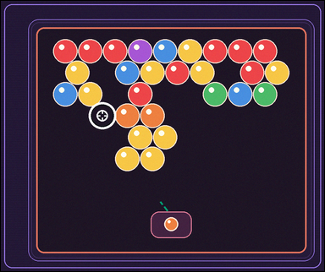 | 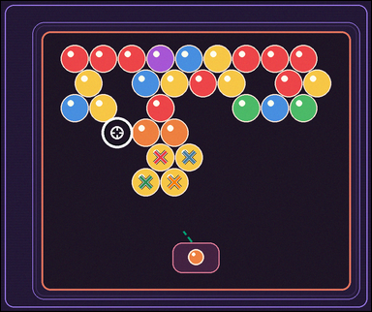 | task_games__bubble_shooter__drop_count | drop_count | bubble_shooter | drop_count | The figure shows a close-packed bubble-shooter board with colored bubbles, a marked landing target, and a visible launcher area. A shot bubble attaches at the marked target. Same-color connected bubbles pop when the placed bubble makes that group size at least three; then bubbles no longer connected to the top drop. After the shot pops its same-color group, how many remaining bubbles drop? Format for the "answer" field: set "answer" to the number of bubbles that drop after the shot is resolved. Example JSON: {"answer":4} | {"answer": 4} | The figure shows a close-packed bubble-shooter board with colored bubbles, a marked landing target, and a visible launcher area. A shot bubble attaches at the marked target. Same-color connected bubbles pop when the placed bubble makes that group size at least three; then bubbles no longer connected to the top drop. After the shot pops its same-color group, how many remaining bubbles drop? Annotation format: set "annotation" to an array of pixel-space center points [x, y] for the bubbles that drop. Answer format: set "answer" to the number of bubbles that drop after the shot is resolved. Example JSON: {"annotation":[[483,373],[529,373],[506,413],[552,413]],"answer":4} | {"annotation": [[422.366, 413.941], [498.073, 413.941], [383.513, 479.213], [459.22, 479.213]], "answer": 4} | integer | point_set | 20441595729092 | games/bubble_shooter/task_games__bubble_shooter__drop_count/images/drop_count/0088.png | games/bubble_shooter/task_games__bubble_shooter__drop_count/data/drop_count/0088.json
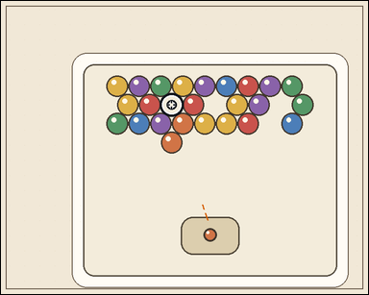 |  | task_games__bubble_shooter__drop_count | drop_count | bubble_shooter | drop_count | This scene shows a close-packed bubble-shooter board with colored bubbles, a marked landing target, and a visible launcher area. A shot bubble attaches at the marked target. Same-color connected bubbles pop when the placed bubble makes that group size at least three; then bubbles no longer connected to the top drop. If the launcher bubble lands at the marked target, how many bubbles become disconnected from the top afterward? Answer format: set "answer" to the number of bubbles that drop after the shot is resolved. Example JSON: {"answer":4} | {"answer": 0} | This scene shows a close-packed bubble-shooter board with colored bubbles, a marked landing target, and a visible launcher area. A shot bubble attaches at the marked target. Same-color connected bubbles pop when the placed bubble makes that group size at least three; then bubbles no longer connected to the top drop. If the launcher bubble lands at the marked target, how many bubbles become disconnected from the top afterward? Annotation format: set "annotation" to an array of pixel-space center points [x, y] for the bubbles that drop. Answer format: set "answer" to the number of bubbles that drop after the shot is resolved. Example JSON: {"annotation":[[483,373],[529,373],[506,413],[552,413]],"answer":4} | {"annotation": [], "answer": 0} | integer | point_set | 62158526821978 | games/bubble_shooter/task_games__bubble_shooter__drop_count/images/drop_count/0066.png | games/bubble_shooter/task_games__bubble_shooter__drop_count/data/drop_count/0066.json
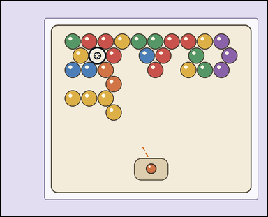 | 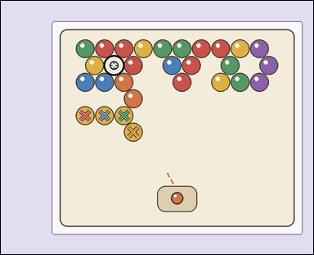 | task_games__bubble_shooter__drop_count | drop_count | bubble_shooter | drop_count | The visual shows a close-packed bubble-shooter board with colored bubbles, a marked landing target, and a visible launcher area. A shot bubble attaches at the marked target. Same-color connected bubbles pop when the placed bubble makes that group size at least three; then bubbles no longer connected to the top drop. How many bubbles drop after resolving the shown shot? Required answer format: set "answer" to the number of bubbles that drop after the shot is resolved. Example JSON: {"answer":4} | {"answer": 4} | The visual shows a close-packed bubble-shooter board with colored bubbles, a marked landing target, and a visible launcher area. A shot bubble attaches at the marked target. Same-color connected bubbles pop when the placed bubble makes that group size at least three; then bubbles no longer connected to the top drop. How many bubbles drop after resolving the shown shot? Annotation format: set "annotation" to an array of pixel-space center points [x, y] for the bubbles that drop. Answer format: set "answer" to the number of bubbles that drop after the shot is resolved. Example JSON: {"annotation":[[483,373],[529,373],[506,413],[552,413]],"answer":4} | {"annotation": [[261.95, 354.302], [321.855, 354.302], [381.761, 354.302], [410.713, 405.89]], "answer": 4} | integer | point_set | 78184510724115 | games/bubble_shooter/task_games__bubble_shooter__drop_count/images/drop_count/0036.png | games/bubble_shooter/task_games__bubble_shooter__drop_count/data/drop_count/0036.json
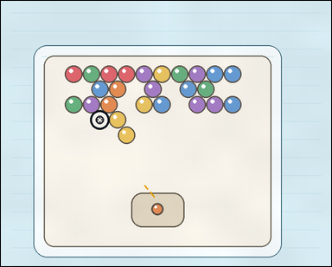 |  | task_games__bubble_shooter__drop_count | drop_count | bubble_shooter | drop_count | The figure shows a close-packed bubble-shooter board with colored bubbles, a marked landing target, and a visible launcher area. A shot bubble attaches at the marked target. Same-color connected bubbles pop when the placed bubble makes that group size at least three; then bubbles no longer connected to the top drop. Report the number of bubbles that drop after the pop. Final answer format: set "answer" to the number of bubbles that drop after the shot is resolved. Example JSON: {"answer":4} | {"answer": 2} | The figure shows a close-packed bubble-shooter board with colored bubbles, a marked landing target, and a visible launcher area. A shot bubble attaches at the marked target. Same-color connected bubbles pop when the placed bubble makes that group size at least three; then bubbles no longer connected to the top drop. Report the number of bubbles that drop after the pop. Required annotation format: set "annotation" to an array of pixel-space center points [x, y] for the bubbles that drop. Required answer format: set "answer" to the number of bubbles that drop after the shot is resolved. Example JSON: {"annotation":[[483,373],[529,373],[506,413],[552,413]],"answer":4} | {"annotation": [[272.477, 276.803], [293.594, 312.365]], "answer": 2} | integer | point_set | 187306959622126 | games/bubble_shooter/task_games__bubble_shooter__drop_count/images/drop_count/0095.png | games/bubble_shooter/task_games__bubble_shooter__drop_count/data/drop_count/0095.json
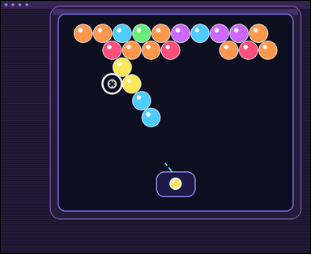 |  | task_games__bubble_shooter__drop_count | drop_count | bubble_shooter | drop_count | The scene shows a close-packed bubble-shooter board with colored bubbles, a marked landing target, and a visible launcher area. A shot bubble attaches at the marked target. Same-color connected bubbles pop when the placed bubble makes that group size at least three; then bubbles no longer connected to the top drop. How many bubbles drop after resolving the shown shot? Final answer format: set "answer" to the number of bubbles that drop after the shot is resolved. Example JSON: {"answer":4} | {"answer": 2} | The scene shows a close-packed bubble-shooter board with colored bubbles, a marked landing target, and a visible launcher area. A shot bubble attaches at the marked target. Same-color connected bubbles pop when the placed bubble makes that group size at least three; then bubbles no longer connected to the top drop. How many bubbles drop after resolving the shown shot? Required annotation format: set "annotation" to an array of pixel-space center points [x, y] for the bubbles that drop. Required answer format: set "answer" to the number of bubbles that drop after the shot is resolved. Example JSON: {"annotation":[[483,373],[529,373],[506,413],[552,413]],"answer":4} | {"annotation": [[446.014, 315.441], [475.867, 368.588]], "answer": 2} | integer | point_set | 237340385964466 | games/bubble_shooter/task_games__bubble_shooter__drop_count/images/drop_count/0045.png | games/bubble_shooter/task_games__bubble_shooter__drop_count/data/drop_count/0045.json
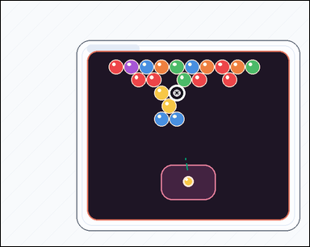 |  | task_games__bubble_shooter__drop_count | drop_count | bubble_shooter | drop_count | The figure shows a close-packed bubble-shooter board with colored bubbles, a marked landing target, and a visible launcher area. A shot bubble attaches at the marked target. Same-color connected bubbles pop when the placed bubble makes that group size at least three; then bubbles no longer connected to the top drop. If the launcher bubble lands at the marked target, how many bubbles become disconnected from the top afterward? Required answer format: set "answer" to the number of bubbles that drop after the shot is resolved. Example JSON: {"answer":4} | {"answer": 2} | The figure shows a close-packed bubble-shooter board with colored bubbles, a marked landing target, and a visible launcher area. A shot bubble attaches at the marked target. Same-color connected bubbles pop when the placed bubble makes that group size at least three; then bubbles no longer connected to the top drop. If the launcher bubble lands at the marked target, how many bubbles become disconnected from the top afterward? Annotation format: set "annotation" to an array of pixel-space center points [x, y] for the bubbles that drop. Answer format: set "answer" to the number of bubbles that drop after the shot is resolved. Example JSON: {"annotation":[[483,373],[529,373],[506,413],[552,413]],"answer":4} | {"annotation": [[364.203, 267.935], [398.515, 267.935]], "answer": 2} | integer | point_set | 408250530987539 | games/bubble_shooter/task_games__bubble_shooter__drop_count/images/drop_count/0086.png | games/bubble_shooter/task_games__bubble_shooter__drop_count/data/drop_count/0086.json
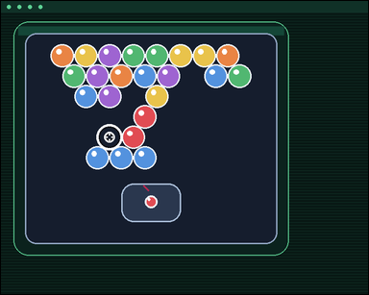 | 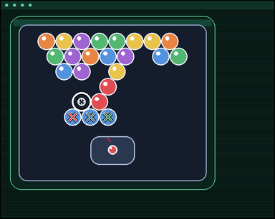 | task_games__bubble_shooter__drop_count | drop_count | bubble_shooter | drop_count | The figure shows a close-packed bubble-shooter board with colored bubbles, a marked landing target, and a visible launcher area. A shot bubble attaches at the marked target. Same-color connected bubbles pop when the placed bubble makes that group size at least three; then bubbles no longer connected to the top drop. How many bubbles drop after resolving the shown shot? Format for the "answer" field: set "answer" to the number of bubbles that drop after the shot is resolved. Example JSON: {"answer":4} | {"answer": 3} | The figure shows a close-packed bubble-shooter board with colored bubbles, a marked landing target, and a visible launcher area. A shot bubble attaches at the marked target. Same-color connected bubbles pop when the placed bubble makes that group size at least three; then bubbles no longer connected to the top drop. How many bubbles drop after resolving the shown shot? Required annotation format: set "annotation" to an array of pixel-space center points [x, y] for the bubbles that drop. Required answer format: set "answer" to the number of bubbles that drop after the shot is resolved. Example JSON: {"annotation":[[483,373],[529,373],[506,413],[552,413]],"answer":4} | {"annotation": [[201.633, 327.308], [251.018, 327.308], [300.404, 327.308]], "answer": 3} | integer | point_set | 443983728298336 | games/bubble_shooter/task_games__bubble_shooter__drop_count/images/drop_count/0029.png | games/bubble_shooter/task_games__bubble_shooter__drop_count/data/drop_count/0029.json
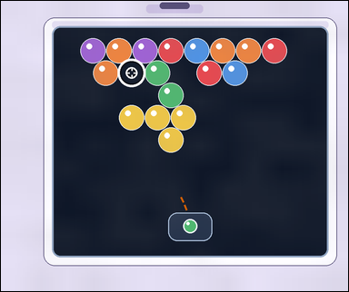 |  | task_games__bubble_shooter__drop_count | drop_count | bubble_shooter | drop_count | This scene shows a close-packed bubble-shooter board with colored bubbles, a marked landing target, and a visible launcher area. A shot bubble attaches at the marked target. Same-color connected bubbles pop when the placed bubble makes that group size at least three; then bubbles no longer connected to the top drop. Count the bubbles that fall after the popped group is removed. Format for the "answer" field: set "answer" to the number of bubbles that drop after the shot is resolved. Example JSON: {"answer":4} | {"answer": 4} | This scene shows a close-packed bubble-shooter board with colored bubbles, a marked landing target, and a visible launcher area. A shot bubble attaches at the marked target. Same-color connected bubbles pop when the placed bubble makes that group size at least three; then bubbles no longer connected to the top drop. Count the bubbles that fall after the popped group is removed. Final answer format: set "answer" to the number of bubbles that drop after the shot is resolved. Annotation format: set "annotation" to an array of pixel-space center points [x, y] for the bubbles that drop. Example JSON: {"annotation":[[483,373],[529,373],[506,413],[552,413]],"answer":4} | {"annotation": [[369.003, 329.624], [442.113, 329.624], [515.223, 329.624], [479.668, 392.647]], "answer": 4} | integer | point_set | 525787896828466 | games/bubble_shooter/task_games__bubble_shooter__drop_count/images/drop_count/0092.png | games/bubble_shooter/task_games__bubble_shooter__drop_count/data/drop_count/0092.json
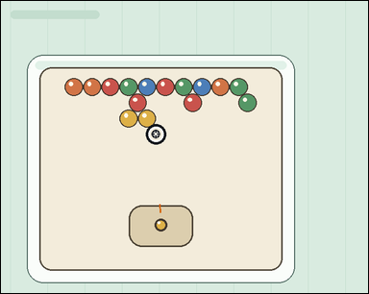 |  | task_games__bubble_shooter__drop_count | drop_count | bubble_shooter | drop_count | The scene shows a close-packed bubble-shooter board with colored bubbles, a marked landing target, and a visible launcher area. A shot bubble attaches at the marked target. Same-color connected bubbles pop when the placed bubble makes that group size at least three; then bubbles no longer connected to the top drop. If the launcher bubble lands at the marked target, how many bubbles become disconnected from the top afterward? Required answer format: set "answer" to the number of bubbles that drop after the shot is resolved. Example JSON: {"answer":4} | {"answer": 0} | The scene shows a close-packed bubble-shooter board with colored bubbles, a marked landing target, and a visible launcher area. A shot bubble attaches at the marked target. Same-color connected bubbles pop when the placed bubble makes that group size at least three; then bubbles no longer connected to the top drop. If the launcher bubble lands at the marked target, how many bubbles become disconnected from the top afterward? Annotation format: set "annotation" to an array of pixel-space center points [x, y] for the bubbles that drop. Answer format: set "answer" to the number of bubbles that drop after the shot is resolved. Example JSON: {"annotation":[[483,373],[529,373],[506,413],[552,413]],"answer":4} | {"annotation": [], "answer": 0} | integer | point_set | 612801899915110 | games/bubble_shooter/task_games__bubble_shooter__drop_count/images/drop_count/0067.png | games/bubble_shooter/task_games__bubble_shooter__drop_count/data/drop_count/0067.json
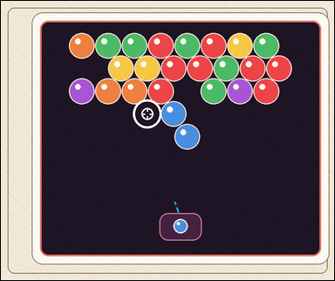 |  | task_games__bubble_shooter__drop_count | drop_count | bubble_shooter | drop_count | The scene shows a close-packed bubble-shooter board with colored bubbles, a marked landing target, and a visible launcher area. A shot bubble attaches at the marked target. Same-color connected bubbles pop when the placed bubble makes that group size at least three; then bubbles no longer connected to the top drop. How many bubbles drop after resolving the shown shot? Answer field: set "answer" to the number of bubbles that drop after the shot is resolved. Example JSON: {"answer":4} | {"answer": 0} | The scene shows a close-packed bubble-shooter board with colored bubbles, a marked landing target, and a visible launcher area. A shot bubble attaches at the marked target. Same-color connected bubbles pop when the placed bubble makes that group size at least three; then bubbles no longer connected to the top drop. How many bubbles drop after resolving the shown shot? Annotation format: set "annotation" to an array of pixel-space center points [x, y] for the bubbles that drop. Answer format: set "answer" to the number of bubbles that drop after the shot is resolved. Example JSON: {"annotation":[[483,373],[529,373],[506,413],[552,413]],"answer":4} | {"annotation": [], "answer": 0} | integer | point_set | 625855226452298 | games/bubble_shooter/task_games__bubble_shooter__drop_count/images/drop_count/0053.png | games/bubble_shooter/task_games__bubble_shooter__drop_count/data/drop_count/0053.json
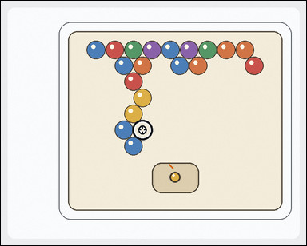 | 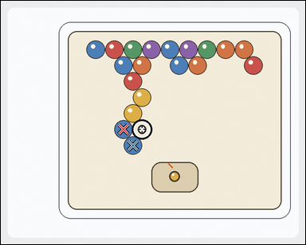 | task_games__bubble_shooter__drop_count | drop_count | bubble_shooter | drop_count | The scene shows a close-packed bubble-shooter board with colored bubbles, a marked landing target, and a visible launcher area. A shot bubble attaches at the marked target. Same-color connected bubbles pop when the placed bubble makes that group size at least three; then bubbles no longer connected to the top drop. Report the number of bubbles that drop after the pop. Format for the "answer" field: set "answer" to the number of bubbles that drop after the shot is resolved. Example JSON: {"answer":4} | {"answer": 2} | The scene shows a close-packed bubble-shooter board with colored bubbles, a marked landing target, and a visible launcher area. A shot bubble attaches at the marked target. Same-color connected bubbles pop when the placed bubble makes that group size at least three; then bubbles no longer connected to the top drop. Report the number of bubbles that drop after the pop. Annotation format: set "annotation" to an array of pixel-space center points [x, y] for the bubbles that drop. Answer format: set "answer" to the number of bubbles that drop after the shot is resolved. Example JSON: {"annotation":[[483,373],[529,373],[506,413],[552,413]],"answer":4} | {"annotation": [[324.198, 340.977], [349.253, 383.362]], "answer": 2} | integer | point_set | 627583186887567 | games/bubble_shooter/task_games__bubble_shooter__drop_count/images/drop_count/0007.png | games/bubble_shooter/task_games__bubble_shooter__drop_count/data/drop_count/0007.json
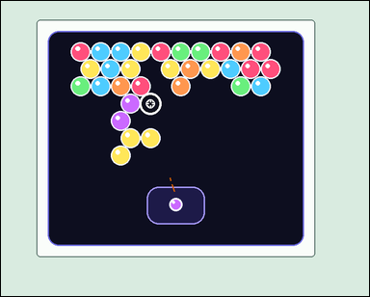 | 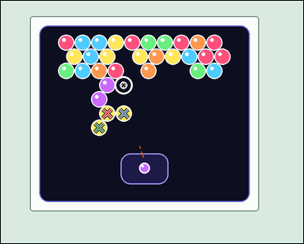 | task_games__bubble_shooter__drop_count | drop_count | bubble_shooter | drop_count | The image shows a close-packed bubble-shooter board with colored bubbles, a marked landing target, and a visible launcher area. A shot bubble attaches at the marked target. Same-color connected bubbles pop when the placed bubble makes that group size at least three; then bubbles no longer connected to the top drop. Report the number of bubbles that drop after the pop. Final answer format: set "answer" to the number of bubbles that drop after the shot is resolved. Example JSON: {"answer":4} | {"answer": 3} | The image shows a close-packed bubble-shooter board with colored bubbles, a marked landing target, and a visible launcher area. A shot bubble attaches at the marked target. Same-color connected bubbles pop when the placed bubble makes that group size at least three; then bubbles no longer connected to the top drop. Report the number of bubbles that drop after the pop. Required annotation format: set "annotation" to an array of pixel-space center points [x, y] for the bubbles that drop. Required answer format: set "answer" to the number of bubbles that drop after the shot is resolved. Example JSON: {"annotation":[[483,373],[529,373],[506,413],[552,413]],"answer":4} | {"annotation": [[277.352, 293.71], [320.195, 293.71], [256.43, 330.668]], "answer": 3} | integer | point_set | 705035575510908 | games/bubble_shooter/task_games__bubble_shooter__drop_count/images/drop_count/0012.png | games/bubble_shooter/task_games__bubble_shooter__drop_count/data/drop_count/0012.json
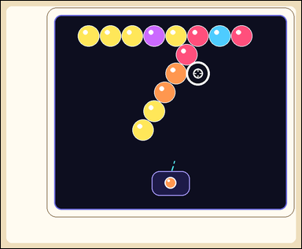 |  | task_games__bubble_shooter__drop_count | drop_count | bubble_shooter | drop_count | The image shows a close-packed bubble-shooter board with colored bubbles, a marked landing target, and a visible launcher area. A shot bubble attaches at the marked target. Same-color connected bubbles pop when the placed bubble makes that group size at least three; then bubbles no longer connected to the top drop. Report the number of bubbles that drop after the pop. Format for the "answer" field: set "answer" to the number of bubbles that drop after the shot is resolved. Example JSON: {"answer":4} | {"answer": 2} | The image shows a close-packed bubble-shooter board with colored bubbles, a marked landing target, and a visible launcher area. A shot bubble attaches at the marked target. Same-color connected bubbles pop when the placed bubble makes that group size at least three; then bubbles no longer connected to the top drop. Report the number of bubbles that drop after the pop. Annotation format: set "annotation" to an array of pixel-space center points [x, y] for the bubbles that drop. Answer format: set "answer" to the number of bubbles that drop after the shot is resolved. Example JSON: {"annotation":[[483,373],[529,373],[506,413],[552,413]],"answer":4} | {"annotation": [[500.499, 360.609], [463.832, 422.095]], "answer": 2} | integer | point_set | 714643318593326 | games/bubble_shooter/task_games__bubble_shooter__drop_count/images/drop_count/0080.png | games/bubble_shooter/task_games__bubble_shooter__drop_count/data/drop_count/0080.json
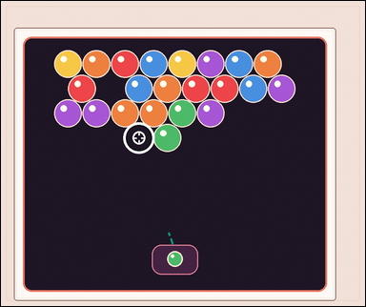 |  | task_games__bubble_shooter__drop_count | drop_count | bubble_shooter | drop_count | The image shows a close-packed bubble-shooter board with colored bubbles, a marked landing target, and a visible launcher area. A shot bubble attaches at the marked target. Same-color connected bubbles pop when the placed bubble makes that group size at least three; then bubbles no longer connected to the top drop. Report the number of bubbles that drop after the pop. Answer format: set "answer" to the number of bubbles that drop after the shot is resolved. Example JSON: {"answer":4} | {"answer": 0} | The image shows a close-packed bubble-shooter board with colored bubbles, a marked landing target, and a visible launcher area. A shot bubble attaches at the marked target. Same-color connected bubbles pop when the placed bubble makes that group size at least three; then bubbles no longer connected to the top drop. Report the number of bubbles that drop after the pop. Required annotation format: set "annotation" to an array of pixel-space center points [x, y] for the bubbles that drop. Required answer format: set "answer" to the number of bubbles that drop after the shot is resolved. Example JSON: {"annotation":[[483,373],[529,373],[506,413],[552,413]],"answer":4} | {"annotation": [], "answer": 0} | integer | point_set | 730168641048479 | games/bubble_shooter/task_games__bubble_shooter__drop_count/images/drop_count/0030.png | games/bubble_shooter/task_games__bubble_shooter__drop_count/data/drop_count/0030.json
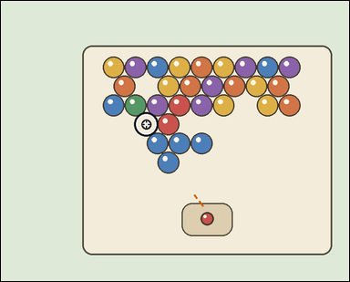 | 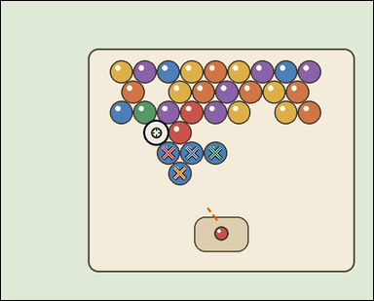 | task_games__bubble_shooter__drop_count | drop_count | bubble_shooter | drop_count | The visual shows a close-packed bubble-shooter board with colored bubbles, a marked landing target, and a visible launcher area. A shot bubble attaches at the marked target. Same-color connected bubbles pop when the placed bubble makes that group size at least three; then bubbles no longer connected to the top drop. Count the bubbles that fall after the popped group is removed. Answer field: set "answer" to the number of bubbles that drop after the shot is resolved. Example JSON: {"answer":4} | {"answer": 4} | The visual shows a close-packed bubble-shooter board with colored bubbles, a marked landing target, and a visible launcher area. A shot bubble attaches at the marked target. Same-color connected bubbles pop when the placed bubble makes that group size at least three; then bubbles no longer connected to the top drop. Count the bubbles that fall after the popped group is removed. Annotation format: set "annotation" to an array of pixel-space center points [x, y] for the bubbles that drop. Answer format: set "answer" to the number of bubbles that drop after the shot is resolved. Example JSON: {"annotation":[[483,373],[529,373],[506,413],[552,413]],"answer":4} | {"annotation": [[381.622, 346.442], [435.234, 346.442], [488.847, 346.442], [407.928, 392.725]], "answer": 4} | integer | point_set | 761826646503269 | games/bubble_shooter/task_games__bubble_shooter__drop_count/images/drop_count/0023.png | games/bubble_shooter/task_games__bubble_shooter__drop_count/data/drop_count/0023.json
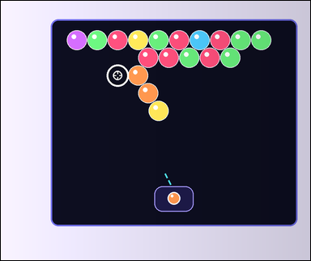 |  | task_games__bubble_shooter__drop_count | drop_count | bubble_shooter | drop_count | The scene shows a close-packed bubble-shooter board with colored bubbles, a marked landing target, and a visible launcher area. A shot bubble attaches at the marked target. Same-color connected bubbles pop when the placed bubble makes that group size at least three; then bubbles no longer connected to the top drop. Count the bubbles that fall after the popped group is removed. Format for the "answer" field: set "answer" to the number of bubbles that drop after the shot is resolved. Example JSON: {"answer":4} | {"answer": 1} | The scene shows a close-packed bubble-shooter board with colored bubbles, a marked landing target, and a visible launcher area. A shot bubble attaches at the marked target. Same-color connected bubbles pop when the placed bubble makes that group size at least three; then bubbles no longer connected to the top drop. Count the bubbles that fall after the popped group is removed. Annotation format: set "annotation" to an array of pixel-space center points [x, y] for the bubbles that drop. Answer format: set "answer" to the number of bubbles that drop after the shot is resolved. Example JSON: {"annotation":[[483,373],[529,373],[506,413],[552,413]],"answer":4} | {"annotation": [[500.303, 348.217]], "answer": 1} | integer | point_set | 1.1456800277E+15 | games/bubble_shooter/task_games__bubble_shooter__drop_count/images/drop_count/0017.png | games/bubble_shooter/task_games__bubble_shooter__drop_count/data/drop_count/0017.json
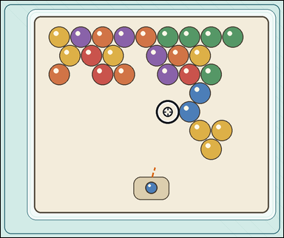 | 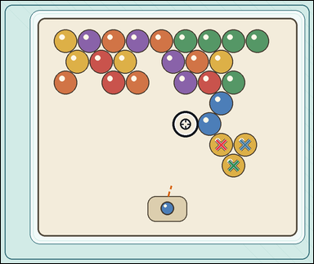 | task_games__bubble_shooter__drop_count | drop_count | bubble_shooter | drop_count | The figure shows a close-packed bubble-shooter board with colored bubbles, a marked landing target, and a visible launcher area. A shot bubble attaches at the marked target. Same-color connected bubbles pop when the placed bubble makes that group size at least three; then bubbles no longer connected to the top drop. Count the bubbles that fall after the popped group is removed. Final answer format: set "answer" to the number of bubbles that drop after the shot is resolved. Example JSON: {"answer":4} | {"answer": 3} | The figure shows a close-packed bubble-shooter board with colored bubbles, a marked landing target, and a visible launcher area. A shot bubble attaches at the marked target. Same-color connected bubbles pop when the placed bubble makes that group size at least three; then bubbles no longer connected to the top drop. Count the bubbles that fall after the popped group is removed. Final answer format: set "answer" to the number of bubbles that drop after the shot is resolved. Annotation format: set "annotation" to an array of pixel-space center points [x, y] for the bubbles that drop. Example JSON: {"annotation":[[483,373],[529,373],[506,413],[552,413]],"answer":4} | {"annotation": [[691.398, 450.19], [766.686, 450.19], [730.042, 515.099]], "answer": 3} | integer | point_set | 1.4526666072E+15 | games/bubble_shooter/task_games__bubble_shooter__drop_count/images/drop_count/0058.png | games/bubble_shooter/task_games__bubble_shooter__drop_count/data/drop_count/0058.json
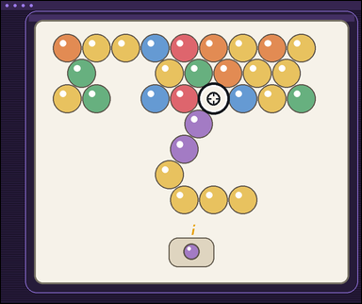 | 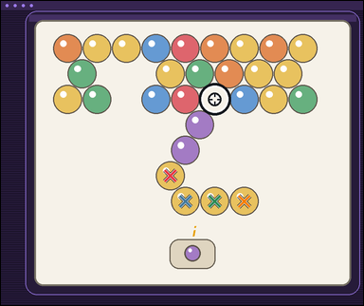 | task_games__bubble_shooter__drop_count | drop_count | bubble_shooter | drop_count | The figure shows a close-packed bubble-shooter board with colored bubbles, a marked landing target, and a visible launcher area. A shot bubble attaches at the marked target. Same-color connected bubbles pop when the placed bubble makes that group size at least three; then bubbles no longer connected to the top drop. After the shot pops its same-color group, how many remaining bubbles drop? Format for the "answer" field: set "answer" to the number of bubbles that drop after the shot is resolved. Example JSON: {"answer":4} | {"answer": 4} | The figure shows a close-packed bubble-shooter board with colored bubbles, a marked landing target, and a visible launcher area. A shot bubble attaches at the marked target. Same-color connected bubbles pop when the placed bubble makes that group size at least three; then bubbles no longer connected to the top drop. After the shot pops its same-color group, how many remaining bubbles drop? Annotation format: set "annotation" to an array of pixel-space center points [x, y] for the bubbles that drop. Answer format: set "answer" to the number of bubbles that drop after the shot is resolved. Example JSON: {"annotation":[[483,373],[529,373],[506,413],[552,413]],"answer":4} | {"annotation": [[458.236, 471.433], [499.079, 540.151], [578.764, 540.151], [658.45, 540.151]], "answer": 4} | integer | point_set | 1.5215379727E+15 | games/bubble_shooter/task_games__bubble_shooter__drop_count/images/drop_count/0082.png | games/bubble_shooter/task_games__bubble_shooter__drop_count/data/drop_count/0082.json
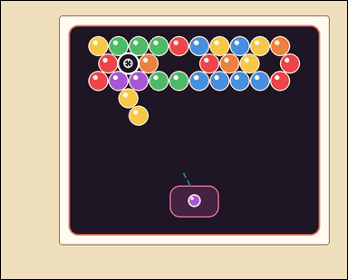 | 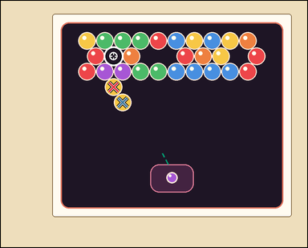 | task_games__bubble_shooter__drop_count | drop_count | bubble_shooter | drop_count | This scene shows a close-packed bubble-shooter board with colored bubbles, a marked landing target, and a visible launcher area. A shot bubble attaches at the marked target. Same-color connected bubbles pop when the placed bubble makes that group size at least three; then bubbles no longer connected to the top drop. After the shot pops its same-color group, how many remaining bubbles drop? Answer field: set "answer" to the number of bubbles that drop after the shot is resolved. Example JSON: {"answer":4} | {"answer": 2} | This scene shows a close-packed bubble-shooter board with colored bubbles, a marked landing target, and a visible launcher area. A shot bubble attaches at the marked target. Same-color connected bubbles pop when the placed bubble makes that group size at least three; then bubbles no longer connected to the top drop. After the shot pops its same-color group, how many remaining bubbles drop? Annotation format: set "annotation" to an array of pixel-space center points [x, y] for the bubbles that drop. Answer format: set "answer" to the number of bubbles that drop after the shot is resolved. Example JSON: {"annotation":[[483,373],[529,373],[506,413],[552,413]],"answer":4} | {"annotation": [[322.399, 246.636], [348.492, 290.818]], "answer": 2} | integer | point_set | 1.6188635081E+15 | games/bubble_shooter/task_games__bubble_shooter__drop_count/images/drop_count/0022.png | games/bubble_shooter/task_games__bubble_shooter__drop_count/data/drop_count/0022.json
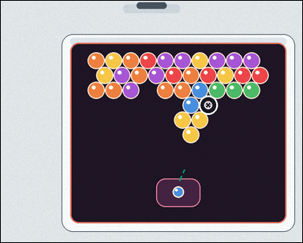 | 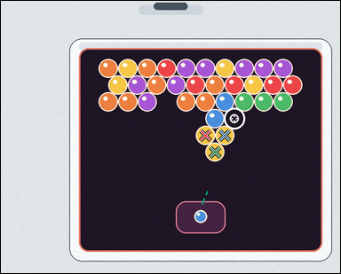 | task_games__bubble_shooter__drop_count | drop_count | bubble_shooter | drop_count | The image shows a close-packed bubble-shooter board with colored bubbles, a marked landing target, and a visible launcher area. A shot bubble attaches at the marked target. Same-color connected bubbles pop when the placed bubble makes that group size at least three; then bubbles no longer connected to the top drop. After the shot pops its same-color group, how many remaining bubbles drop? Answer format: set "answer" to the number of bubbles that drop after the shot is resolved. Example JSON: {"answer":4} | {"answer": 3} | The image shows a close-packed bubble-shooter board with colored bubbles, a marked landing target, and a visible launcher area. A shot bubble attaches at the marked target. Same-color connected bubbles pop when the placed bubble makes that group size at least three; then bubbles no longer connected to the top drop. After the shot pops its same-color group, how many remaining bubbles drop? Annotation format: set "annotation" to an array of pixel-space center points [x, y] for the bubbles that drop. Answer format: set "answer" to the number of bubbles that drop after the shot is resolved. Example JSON: {"annotation":[[483,373],[529,373],[506,413],[552,413]],"answer":4} | {"annotation": [[511.383, 336.297], [559.914, 336.297], [535.148, 378.18]], "answer": 3} | integer | point_set | 1.6605424589E+15 | games/bubble_shooter/task_games__bubble_shooter__drop_count/images/drop_count/0049.png | games/bubble_shooter/task_games__bubble_shooter__drop_count/data/drop_count/0049.json
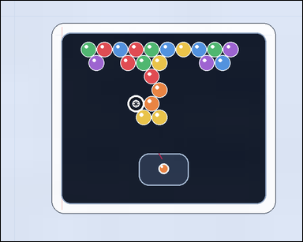 |  | task_games__bubble_shooter__drop_count | drop_count | bubble_shooter | drop_count | This scene shows a close-packed bubble-shooter board with colored bubbles, a marked landing target, and a visible launcher area. A shot bubble attaches at the marked target. Same-color connected bubbles pop when the placed bubble makes that group size at least three; then bubbles no longer connected to the top drop. How many bubbles drop after resolving the shown shot? Required answer format: set "answer" to the number of bubbles that drop after the shot is resolved. Example JSON: {"answer":4} | {"answer": 2} | This scene shows a close-packed bubble-shooter board with colored bubbles, a marked landing target, and a visible launcher area. A shot bubble attaches at the marked target. Same-color connected bubbles pop when the placed bubble makes that group size at least three; then bubbles no longer connected to the top drop. How many bubbles drop after resolving the shown shot? Final answer format: set "answer" to the number of bubbles that drop after the shot is resolved. Annotation format: set "annotation" to an array of pixel-space center points [x, y] for the bubbles that drop. Example JSON: {"annotation":[[483,373],[529,373],[506,413],[552,413]],"answer":4} | {"annotation": [[355.698, 290.312], [394.94, 290.312]], "answer": 2} | integer | point_set | 1.686395994E+15 | games/bubble_shooter/task_games__bubble_shooter__drop_count/images/drop_count/0069.png | games/bubble_shooter/task_games__bubble_shooter__drop_count/data/drop_count/0069.json
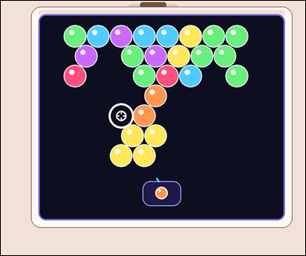 | 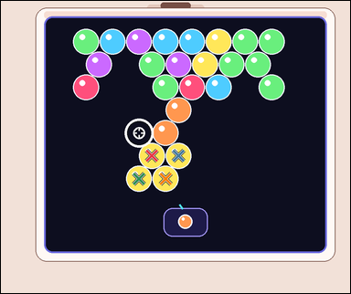 | task_games__bubble_shooter__drop_count | drop_count | bubble_shooter | drop_count | The visual shows a close-packed bubble-shooter board with colored bubbles, a marked landing target, and a visible launcher area. A shot bubble attaches at the marked target. Same-color connected bubbles pop when the placed bubble makes that group size at least three; then bubbles no longer connected to the top drop. After the shot pops its same-color group, how many remaining bubbles drop? Answer field: set "answer" to the number of bubbles that drop after the shot is resolved. Example JSON: {"answer":4} | {"answer": 4} | The visual shows a close-packed bubble-shooter board with colored bubbles, a marked landing target, and a visible launcher area. A shot bubble attaches at the marked target. Same-color connected bubbles pop when the placed bubble makes that group size at least three; then bubbles no longer connected to the top drop. After the shot pops its same-color group, how many remaining bubbles drop? Annotation format: set "annotation" to an array of pixel-space center points [x, y] for the bubbles that drop. Answer format: set "answer" to the number of bubbles that drop after the shot is resolved. Example JSON: {"annotation":[[483,373],[529,373],[506,413],[552,413]],"answer":4} | {"annotation": [[423.999, 434.906], [498.4, 434.906], [387.798, 499.047], [462.199, 499.047]], "answer": 4} | integer | point_set | 1.7395496317E+15 | games/bubble_shooter/task_games__bubble_shooter__drop_count/images/drop_count/0047.png | games/bubble_shooter/task_games__bubble_shooter__drop_count/data/drop_count/0047.json
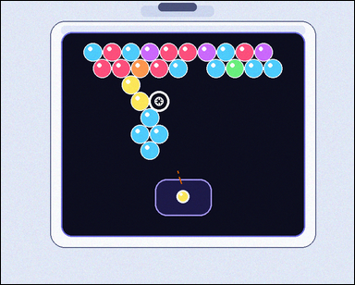 | 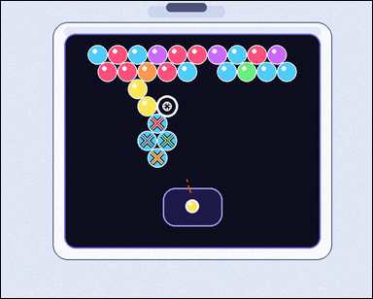 | task_games__bubble_shooter__drop_count | drop_count | bubble_shooter | drop_count | The image shows a close-packed bubble-shooter board with colored bubbles, a marked landing target, and a visible launcher area. A shot bubble attaches at the marked target. Same-color connected bubbles pop when the placed bubble makes that group size at least three; then bubbles no longer connected to the top drop. Report the number of bubbles that drop after the pop. Required answer format: set "answer" to the number of bubbles that drop after the shot is resolved. Example JSON: {"answer":4} | {"answer": 4} | The image shows a close-packed bubble-shooter board with colored bubbles, a marked landing target, and a visible launcher area. A shot bubble attaches at the marked target. Same-color connected bubbles pop when the placed bubble makes that group size at least three; then bubbles no longer connected to the top drop. Report the number of bubbles that drop after the pop. Annotation format: set "annotation" to an array of pixel-space center points [x, y] for the bubbles that drop. Answer format: set "answer" to the number of bubbles that drop after the shot is resolved. Example JSON: {"annotation":[[483,373],[529,373],[506,413],[552,413]],"answer":4} | {"annotation": [[326.93, 255.868], [305.624, 291.758], [347.236, 291.758], [326.93, 327.649]], "answer": 4} | integer | point_set | 1.806129297E+15 | games/bubble_shooter/task_games__bubble_shooter__drop_count/images/drop_count/0019.png | games/bubble_shooter/task_games__bubble_shooter__drop_count/data/drop_count/0019.json
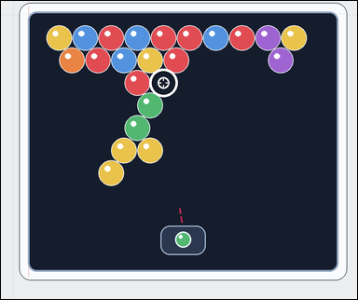 | 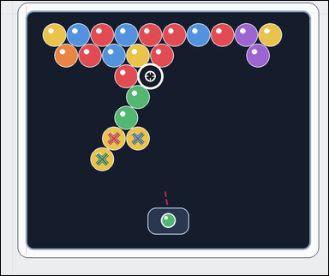 | task_games__bubble_shooter__drop_count | drop_count | bubble_shooter | drop_count | The image shows a close-packed bubble-shooter board with colored bubbles, a marked landing target, and a visible launcher area. A shot bubble attaches at the marked target. Same-color connected bubbles pop when the placed bubble makes that group size at least three; then bubbles no longer connected to the top drop. If the launcher bubble lands at the marked target, how many bubbles become disconnected from the top afterward? Answer format: set "answer" to the number of bubbles that drop after the shot is resolved. Example JSON: {"answer":4} | {"answer": 3} | The image shows a close-packed bubble-shooter board with colored bubbles, a marked landing target, and a visible launcher area. A shot bubble attaches at the marked target. Same-color connected bubbles pop when the placed bubble makes that group size at least three; then bubbles no longer connected to the top drop. If the launcher bubble lands at the marked target, how many bubbles become disconnected from the top afterward? Annotation format: set "annotation" to an array of pixel-space center points [x, y] for the bubbles that drop. Answer format: set "answer" to the number of bubbles that drop after the shot is resolved. Example JSON: {"annotation":[[483,373],[529,373],[506,413],[552,413]],"answer":4} | {"annotation": [[338.841, 411.576], [410.69, 411.576], [303.917, 473.507]], "answer": 3} | integer | point_set | 1.8761670257E+15 | games/bubble_shooter/task_games__bubble_shooter__drop_count/images/drop_count/0070.png | games/bubble_shooter/task_games__bubble_shooter__drop_count/data/drop_count/0070.json
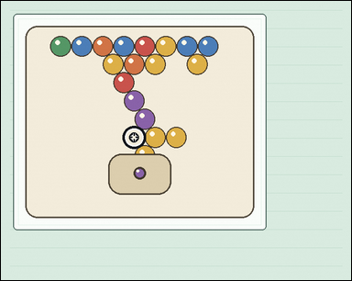 | 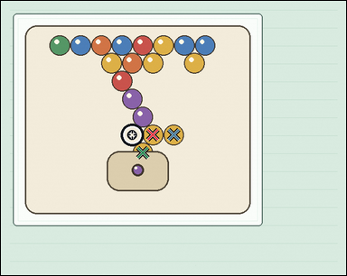 | task_games__bubble_shooter__drop_count | drop_count | bubble_shooter | drop_count | The figure shows a close-packed bubble-shooter board with colored bubbles, a marked landing target, and a visible launcher area. A shot bubble attaches at the marked target. Same-color connected bubbles pop when the placed bubble makes that group size at least three; then bubbles no longer connected to the top drop. Count the bubbles that fall after the popped group is removed. Answer field: set "answer" to the number of bubbles that drop after the shot is resolved. Example JSON: {"answer":4} | {"answer": 3} | The figure shows a close-packed bubble-shooter board with colored bubbles, a marked landing target, and a visible launcher area. A shot bubble attaches at the marked target. Same-color connected bubbles pop when the placed bubble makes that group size at least three; then bubbles no longer connected to the top drop. Count the bubbles that fall after the popped group is removed. Required annotation format: set "annotation" to an array of pixel-space center points [x, y] for the bubbles that drop. Required answer format: set "answer" to the number of bubbles that drop after the shot is resolved. Example JSON: {"annotation":[[483,373],[529,373],[506,413],[552,413]],"answer":4} | {"annotation": [[304.978, 268.884], [346.615, 268.884], [284.659, 304.797]], "answer": 3} | integer | point_set | 1.9023474453E+15 | games/bubble_shooter/task_games__bubble_shooter__drop_count/images/drop_count/0061.png | games/bubble_shooter/task_games__bubble_shooter__drop_count/data/drop_count/0061.json
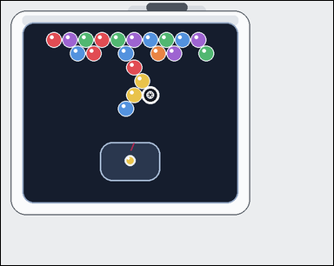 | 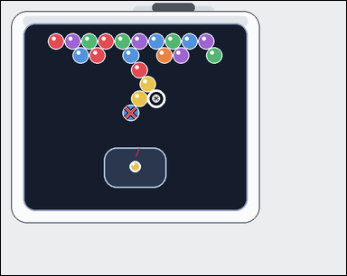 | task_games__bubble_shooter__drop_count | drop_count | bubble_shooter | drop_count | The figure shows a close-packed bubble-shooter board with colored bubbles, a marked landing target, and a visible launcher area. A shot bubble attaches at the marked target. Same-color connected bubbles pop when the placed bubble makes that group size at least three; then bubbles no longer connected to the top drop. If the launcher bubble lands at the marked target, how many bubbles become disconnected from the top afterward? Required answer format: set "answer" to the number of bubbles that drop after the shot is resolved. Example JSON: {"answer":4} | {"answer": 1} | The figure shows a close-packed bubble-shooter board with colored bubbles, a marked landing target, and a visible launcher area. A shot bubble attaches at the marked target. Same-color connected bubbles pop when the placed bubble makes that group size at least three; then bubbles no longer connected to the top drop. If the launcher bubble lands at the marked target, how many bubbles become disconnected from the top afterward? Annotation format: set "annotation" to an array of pixel-space center points [x, y] for the bubbles that drop. Answer format: set "answer" to the number of bubbles that drop after the shot is resolved. Example JSON: {"annotation":[[483,373],[529,373],[506,413],[552,413]],"answer":4} | {"annotation": [[257.98, 222.553]], "answer": 1} | integer | point_set | 2.2878466919E+15 | games/bubble_shooter/task_games__bubble_shooter__drop_count/images/drop_count/0099.png | games/bubble_shooter/task_games__bubble_shooter__drop_count/data/drop_count/0099.json
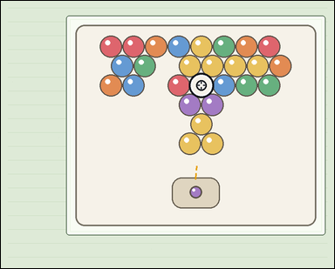 | 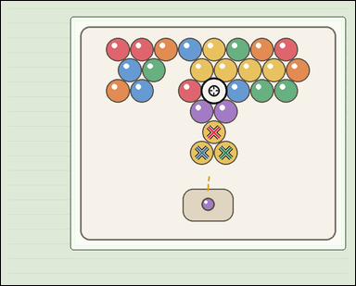 | task_games__bubble_shooter__drop_count | drop_count | bubble_shooter | drop_count | The visual shows a close-packed bubble-shooter board with colored bubbles, a marked landing target, and a visible launcher area. A shot bubble attaches at the marked target. Same-color connected bubbles pop when the placed bubble makes that group size at least three; then bubbles no longer connected to the top drop. If the launcher bubble lands at the marked target, how many bubbles become disconnected from the top afterward? Required answer format: set "answer" to the number of bubbles that drop after the shot is resolved. Example JSON: {"answer":4} | {"answer": 3} | The visual shows a close-packed bubble-shooter board with colored bubbles, a marked landing target, and a visible launcher area. A shot bubble attaches at the marked target. Same-color connected bubbles pop when the placed bubble makes that group size at least three; then bubbles no longer connected to the top drop. If the launcher bubble lands at the marked target, how many bubbles become disconnected from the top afterward? Annotation format: set "annotation" to an array of pixel-space center points [x, y] for the bubbles that drop. Answer format: set "answer" to the number of bubbles that drop after the shot is resolved. Example JSON: {"annotation":[[483,373],[529,373],[506,413],[552,413]],"answer":4} | {"annotation": [[519.896, 321.152], [490.104, 371.742], [548.689, 371.742]], "answer": 3} | integer | point_set | 2.2940915592E+15 | games/bubble_shooter/task_games__bubble_shooter__drop_count/images/drop_count/0078.png | games/bubble_shooter/task_games__bubble_shooter__drop_count/data/drop_count/0078.json
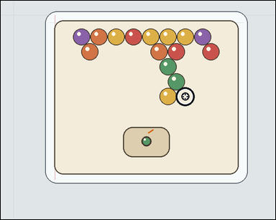 | 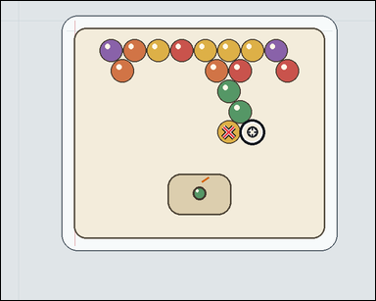 | task_games__bubble_shooter__drop_count | drop_count | bubble_shooter | drop_count | The image shows a close-packed bubble-shooter board with colored bubbles, a marked landing target, and a visible launcher area. A shot bubble attaches at the marked target. Same-color connected bubbles pop when the placed bubble makes that group size at least three; then bubbles no longer connected to the top drop. Count the bubbles that fall after the popped group is removed. Answer format: set "answer" to the number of bubbles that drop after the shot is resolved. Example JSON: {"answer":4} | {"answer": 1} | The image shows a close-packed bubble-shooter board with colored bubbles, a marked landing target, and a visible launcher area. A shot bubble attaches at the marked target. Same-color connected bubbles pop when the placed bubble makes that group size at least three; then bubbles no longer connected to the top drop. Count the bubbles that fall after the popped group is removed. Final answer format: set "answer" to the number of bubbles that drop after the shot is resolved. Annotation format: set "annotation" to an array of pixel-space center points [x, y] for the bubbles that drop. Example JSON: {"annotation":[[483,373],[529,373],[506,413],[552,413]],"answer":4} | {"annotation": [[444.745, 255.25]], "answer": 1} | integer | point_set | 2.3755268367E+15 | games/bubble_shooter/task_games__bubble_shooter__drop_count/images/drop_count/0056.png | games/bubble_shooter/task_games__bubble_shooter__drop_count/data/drop_count/0056.json
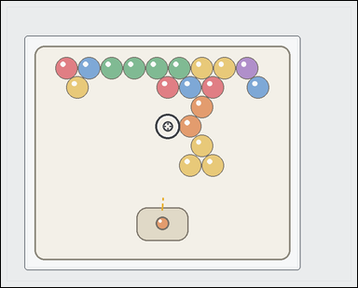 | 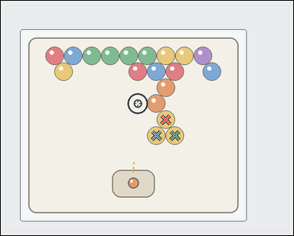 | task_games__bubble_shooter__drop_count | drop_count | bubble_shooter | drop_count | The visual shows a close-packed bubble-shooter board with colored bubbles, a marked landing target, and a visible launcher area. A shot bubble attaches at the marked target. Same-color connected bubbles pop when the placed bubble makes that group size at least three; then bubbles no longer connected to the top drop. If the launcher bubble lands at the marked target, how many bubbles become disconnected from the top afterward? Answer format: set "answer" to the number of bubbles that drop after the shot is resolved. Example JSON: {"answer":4} | {"answer": 3} | The visual shows a close-packed bubble-shooter board with colored bubbles, a marked landing target, and a visible launcher area. A shot bubble attaches at the marked target. Same-color connected bubbles pop when the placed bubble makes that group size at least three; then bubbles no longer connected to the top drop. If the launcher bubble lands at the marked target, how many bubbles become disconnected from the top afterward? Final answer format: set "answer" to the number of bubbles that drop after the shot is resolved. Annotation format: set "annotation" to an array of pixel-space center points [x, y] for the bubbles that drop. Example JSON: {"annotation":[[483,373],[529,373],[506,413],[552,413]],"answer":4} | {"annotation": [[480.805, 347.102], [453.289, 393.748], [507.321, 393.748]], "answer": 3} | integer | point_set | 2.4234522207E+15 | games/bubble_shooter/task_games__bubble_shooter__drop_count/images/drop_count/0051.png | games/bubble_shooter/task_games__bubble_shooter__drop_count/data/drop_count/0051.json
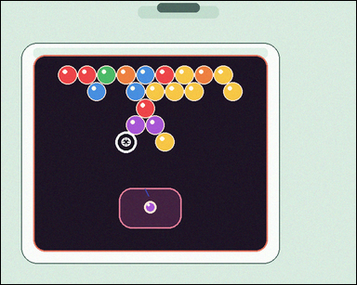 |  | task_games__bubble_shooter__drop_count | drop_count | bubble_shooter | drop_count | The figure shows a close-packed bubble-shooter board with colored bubbles, a marked landing target, and a visible launcher area. A shot bubble attaches at the marked target. Same-color connected bubbles pop when the placed bubble makes that group size at least three; then bubbles no longer connected to the top drop. How many bubbles drop after resolving the shown shot? Answer field: set "answer" to the number of bubbles that drop after the shot is resolved. Example JSON: {"answer":4} | {"answer": 1} | The figure shows a close-packed bubble-shooter board with colored bubbles, a marked landing target, and a visible launcher area. A shot bubble attaches at the marked target. Same-color connected bubbles pop when the placed bubble makes that group size at least three; then bubbles no longer connected to the top drop. How many bubbles drop after resolving the shown shot? Final answer format: set "answer" to the number of bubbles that drop after the shot is resolved. Annotation format: set "annotation" to an array of pixel-space center points [x, y] for the bubbles that drop. Example JSON: {"annotation":[[483,373],[529,373],[506,413],[552,413]],"answer":4} | {"annotation": [[325.729, 280.084]], "answer": 1} | integer | point_set | 2.4663827255E+15 | games/bubble_shooter/task_games__bubble_shooter__drop_count/images/drop_count/0003.png | games/bubble_shooter/task_games__bubble_shooter__drop_count/data/drop_count/0003.json
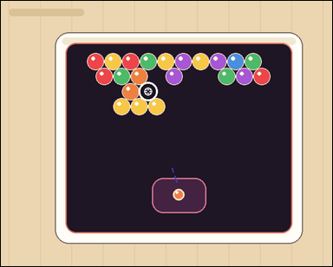 |  | task_games__bubble_shooter__drop_count | drop_count | bubble_shooter | drop_count | The image shows a close-packed bubble-shooter board with colored bubbles, a marked landing target, and a visible launcher area. A shot bubble attaches at the marked target. Same-color connected bubbles pop when the placed bubble makes that group size at least three; then bubbles no longer connected to the top drop. Report the number of bubbles that drop after the pop. Format for the "answer" field: set "answer" to the number of bubbles that drop after the shot is resolved. Example JSON: {"answer":4} | {"answer": 3} | The image shows a close-packed bubble-shooter board with colored bubbles, a marked landing target, and a visible launcher area. A shot bubble attaches at the marked target. Same-color connected bubbles pop when the placed bubble makes that group size at least three; then bubbles no longer connected to the top drop. Report the number of bubbles that drop after the pop. Annotation format: set "annotation" to an array of pixel-space center points [x, y] for the bubbles that drop. Answer format: set "answer" to the number of bubbles that drop after the shot is resolved. Example JSON: {"annotation":[[483,373],[529,373],[506,413],[552,413]],"answer":4} | {"annotation": [[276.942, 242.279], [317.037, 242.279], [357.132, 242.279]], "answer": 3} | integer | point_set | 2.7792173878E+15 | games/bubble_shooter/task_games__bubble_shooter__drop_count/images/drop_count/0005.png | games/bubble_shooter/task_games__bubble_shooter__drop_count/data/drop_count/0005.json
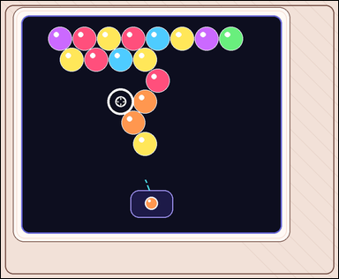 |  | task_games__bubble_shooter__drop_count | drop_count | bubble_shooter | drop_count | The figure shows a close-packed bubble-shooter board with colored bubbles, a marked landing target, and a visible launcher area. A shot bubble attaches at the marked target. Same-color connected bubbles pop when the placed bubble makes that group size at least three; then bubbles no longer connected to the top drop. After the shot pops its same-color group, how many remaining bubbles drop? Final answer format: set "answer" to the number of bubbles that drop after the shot is resolved. Example JSON: {"answer":4} | {"answer": 1} | The figure shows a close-packed bubble-shooter board with colored bubbles, a marked landing target, and a visible launcher area. A shot bubble attaches at the marked target. Same-color connected bubbles pop when the placed bubble makes that group size at least three; then bubbles no longer connected to the top drop. After the shot pops its same-color group, how many remaining bubbles drop? Annotation format: set "annotation" to an array of pixel-space center points [x, y] for the bubbles that drop. Answer format: set "answer" to the number of bubbles that drop after the shot is resolved. Example JSON: {"annotation":[[483,373],[529,373],[506,413],[552,413]],"answer":4} | {"annotation": [[419.247, 415.536]], "answer": 1} | integer | point_set | 2.8414282382E+15 | games/bubble_shooter/task_games__bubble_shooter__drop_count/images/drop_count/0085.png | games/bubble_shooter/task_games__bubble_shooter__drop_count/data/drop_count/0085.json
 |  | task_games__bubble_shooter__drop_count | drop_count | bubble_shooter | drop_count | The visual shows a close-packed bubble-shooter board with colored bubbles, a marked landing target, and a visible launcher area. A shot bubble attaches at the marked target. Same-color connected bubbles pop when the placed bubble makes that group size at least three; then bubbles no longer connected to the top drop. How many bubbles drop after resolving the shown shot? Answer format: set "answer" to the number of bubbles that drop after the shot is resolved. Example JSON: {"answer":4} | {"answer": 2} | The visual shows a close-packed bubble-shooter board with colored bubbles, a marked landing target, and a visible launcher area. A shot bubble attaches at the marked target. Same-color connected bubbles pop when the placed bubble makes that group size at least three; then bubbles no longer connected to the top drop. How many bubbles drop after resolving the shown shot? Annotation format: set "annotation" to an array of pixel-space center points [x, y] for the bubbles that drop. Answer format: set "answer" to the number of bubbles that drop after the shot is resolved. Example JSON: {"annotation":[[483,373],[529,373],[506,413],[552,413]],"answer":4} | {"annotation": [[563.931, 341.557], [599.055, 400.368]], "answer": 2} | integer | point_set | 2.9421473987E+15 | games/bubble_shooter/task_games__bubble_shooter__drop_count/images/drop_count/0063.png | games/bubble_shooter/task_games__bubble_shooter__drop_count/data/drop_count/0063.json
 |  | task_games__bubble_shooter__drop_count | drop_count | bubble_shooter | drop_count | This scene shows a close-packed bubble-shooter board with colored bubbles, a marked landing target, and a visible launcher area. A shot bubble attaches at the marked target. Same-color connected bubbles pop when the placed bubble makes that group size at least three; then bubbles no longer connected to the top drop. How many bubbles drop after resolving the shown shot? Answer format: set "answer" to the number of bubbles that drop after the shot is resolved. Example JSON: {"answer":4} | {"answer": 3} | This scene shows a close-packed bubble-shooter board with colored bubbles, a marked landing target, and a visible launcher area. A shot bubble attaches at the marked target. Same-color connected bubbles pop when the placed bubble makes that group size at least three; then bubbles no longer connected to the top drop. How many bubbles drop after resolving the shown shot? Annotation format: set "annotation" to an array of pixel-space center points [x, y] for the bubbles that drop. Answer format: set "answer" to the number of bubbles that drop after the shot is resolved. Example JSON: {"annotation":[[483,373],[529,373],[506,413],[552,413]],"answer":4} | {"annotation": [[309.244, 326.244], [330.732, 364.182], [374.709, 364.182]], "answer": 3} | integer | point_set | 3.0097831411E+15 | games/bubble_shooter/task_games__bubble_shooter__drop_count/images/drop_count/0054.png | games/bubble_shooter/task_games__bubble_shooter__drop_count/data/drop_count/0054.json
 |  | task_games__bubble_shooter__drop_count | drop_count | bubble_shooter | drop_count | The scene shows a close-packed bubble-shooter board with colored bubbles, a marked landing target, and a visible launcher area. A shot bubble attaches at the marked target. Same-color connected bubbles pop when the placed bubble makes that group size at least three; then bubbles no longer connected to the top drop. How many bubbles drop after resolving the shown shot? Final answer format: set "answer" to the number of bubbles that drop after the shot is resolved. Example JSON: {"answer":4} | {"answer": 3} | The scene shows a close-packed bubble-shooter board with colored bubbles, a marked landing target, and a visible launcher area. A shot bubble attaches at the marked target. Same-color connected bubbles pop when the placed bubble makes that group size at least three; then bubbles no longer connected to the top drop. How many bubbles drop after resolving the shown shot? Required annotation format: set "annotation" to an array of pixel-space center points [x, y] for the bubbles that drop. Required answer format: set "answer" to the number of bubbles that drop after the shot is resolved. Example JSON: {"annotation":[[483,373],[529,373],[506,413],[552,413]],"answer":4} | {"annotation": [[493.667, 323.879], [543.999, 323.879], [519.333, 367.321]], "answer": 3} | integer | point_set | 3.2504213805E+15 | games/bubble_shooter/task_games__bubble_shooter__drop_count/images/drop_count/0087.png | games/bubble_shooter/task_games__bubble_shooter__drop_count/data/drop_count/0087.json
 |  | task_games__bubble_shooter__drop_count | drop_count | bubble_shooter | drop_count | The visual shows a close-packed bubble-shooter board with colored bubbles, a marked landing target, and a visible launcher area. A shot bubble attaches at the marked target. Same-color connected bubbles pop when the placed bubble makes that group size at least three; then bubbles no longer connected to the top drop. Count the bubbles that fall after the popped group is removed. Final answer format: set "answer" to the number of bubbles that drop after the shot is resolved. Example JSON: {"answer":4} | {"answer": 2} | The visual shows a close-packed bubble-shooter board with colored bubbles, a marked landing target, and a visible launcher area. A shot bubble attaches at the marked target. Same-color connected bubbles pop when the placed bubble makes that group size at least three; then bubbles no longer connected to the top drop. Count the bubbles that fall after the popped group is removed. Final answer format: set "answer" to the number of bubbles that drop after the shot is resolved. Annotation format: set "annotation" to an array of pixel-space center points [x, y] for the bubbles that drop. Example JSON: {"annotation":[[483,373],[529,373],[506,413],[552,413]],"answer":4} | {"annotation": [[110.667, 240.426], [143.842, 240.426]], "answer": 2} | integer | point_set | 3.3191794433E+15 | games/bubble_shooter/task_games__bubble_shooter__drop_count/images/drop_count/0006.png | games/bubble_shooter/task_games__bubble_shooter__drop_count/data/drop_count/0006.json
 |  | task_games__bubble_shooter__drop_count | drop_count | bubble_shooter | drop_count | The scene shows a close-packed bubble-shooter board with colored bubbles, a marked landing target, and a visible launcher area. A shot bubble attaches at the marked target. Same-color connected bubbles pop when the placed bubble makes that group size at least three; then bubbles no longer connected to the top drop. How many bubbles drop after resolving the shown shot? Required answer format: set "answer" to the number of bubbles that drop after the shot is resolved. Example JSON: {"answer":4} | {"answer": 2} | The scene shows a close-packed bubble-shooter board with colored bubbles, a marked landing target, and a visible launcher area. A shot bubble attaches at the marked target. Same-color connected bubbles pop when the placed bubble makes that group size at least three; then bubbles no longer connected to the top drop. How many bubbles drop after resolving the shown shot? Annotation format: set "annotation" to an array of pixel-space center points [x, y] for the bubbles that drop. Answer format: set "answer" to the number of bubbles that drop after the shot is resolved. Example JSON: {"annotation":[[483,373],[529,373],[506,413],[552,413]],"answer":4} | {"annotation": [[397.34, 454.764], [458.668, 454.764]], "answer": 2} | integer | point_set | 3.4577876813E+15 | games/bubble_shooter/task_games__bubble_shooter__drop_count/images/drop_count/0034.png | games/bubble_shooter/task_games__bubble_shooter__drop_count/data/drop_count/0034.json
 |  | task_games__bubble_shooter__drop_count | drop_count | bubble_shooter | drop_count | The figure shows a close-packed bubble-shooter board with colored bubbles, a marked landing target, and a visible launcher area. A shot bubble attaches at the marked target. Same-color connected bubbles pop when the placed bubble makes that group size at least three; then bubbles no longer connected to the top drop. After the shot pops its same-color group, how many remaining bubbles drop? Answer field: set "answer" to the number of bubbles that drop after the shot is resolved. Example JSON: {"answer":4} | {"answer": 0} | The figure shows a close-packed bubble-shooter board with colored bubbles, a marked landing target, and a visible launcher area. A shot bubble attaches at the marked target. Same-color connected bubbles pop when the placed bubble makes that group size at least three; then bubbles no longer connected to the top drop. After the shot pops its same-color group, how many remaining bubbles drop? Annotation format: set "annotation" to an array of pixel-space center points [x, y] for the bubbles that drop. Answer format: set "answer" to the number of bubbles that drop after the shot is resolved. Example JSON: {"annotation":[[483,373],[529,373],[506,413],[552,413]],"answer":4} | {"annotation": [], "answer": 0} | integer | point_set | 3.6239968487E+15 | games/bubble_shooter/task_games__bubble_shooter__drop_count/images/drop_count/0038.png | games/bubble_shooter/task_games__bubble_shooter__drop_count/data/drop_count/0038.json
 |  | task_games__bubble_shooter__drop_count | drop_count | bubble_shooter | drop_count | The visual shows a close-packed bubble-shooter board with colored bubbles, a marked landing target, and a visible launcher area. A shot bubble attaches at the marked target. Same-color connected bubbles pop when the placed bubble makes that group size at least three; then bubbles no longer connected to the top drop. If the launcher bubble lands at the marked target, how many bubbles become disconnected from the top afterward? Format for the "answer" field: set "answer" to the number of bubbles that drop after the shot is resolved. Example JSON: {"answer":4} | {"answer": 1} | The visual shows a close-packed bubble-shooter board with colored bubbles, a marked landing target, and a visible launcher area. A shot bubble attaches at the marked target. Same-color connected bubbles pop when the placed bubble makes that group size at least three; then bubbles no longer connected to the top drop. If the launcher bubble lands at the marked target, how many bubbles become disconnected from the top afterward? Final answer format: set "answer" to the number of bubbles that drop after the shot is resolved. Annotation format: set "annotation" to an array of pixel-space center points [x, y] for the bubbles that drop. Example JSON: {"annotation":[[483,373],[529,373],[506,413],[552,413]],"answer":4} | {"annotation": [[546.81, 273.358]], "answer": 1} | integer | point_set | 3.6245822943E+15 | games/bubble_shooter/task_games__bubble_shooter__drop_count/images/drop_count/0075.png | games/bubble_shooter/task_games__bubble_shooter__drop_count/data/drop_count/0075.json
 |  | task_games__bubble_shooter__drop_count | drop_count | bubble_shooter | drop_count | The figure shows a close-packed bubble-shooter board with colored bubbles, a marked landing target, and a visible launcher area. A shot bubble attaches at the marked target. Same-color connected bubbles pop when the placed bubble makes that group size at least three; then bubbles no longer connected to the top drop. Count the bubbles that fall after the popped group is removed. Answer format: set "answer" to the number of bubbles that drop after the shot is resolved. Example JSON: {"answer":4} | {"answer": 0} | The figure shows a close-packed bubble-shooter board with colored bubbles, a marked landing target, and a visible launcher area. A shot bubble attaches at the marked target. Same-color connected bubbles pop when the placed bubble makes that group size at least three; then bubbles no longer connected to the top drop. Count the bubbles that fall after the popped group is removed. Final answer format: set "answer" to the number of bubbles that drop after the shot is resolved. Annotation format: set "annotation" to an array of pixel-space center points [x, y] for the bubbles that drop. Example JSON: {"annotation":[[483,373],[529,373],[506,413],[552,413]],"answer":4} | {"annotation": [], "answer": 0} | integer | point_set | 3.6260872678E+15 | games/bubble_shooter/task_games__bubble_shooter__drop_count/images/drop_count/0010.png | games/bubble_shooter/task_games__bubble_shooter__drop_count/data/drop_count/0010.json
 |  | task_games__bubble_shooter__drop_count | drop_count | bubble_shooter | drop_count | The visual shows a close-packed bubble-shooter board with colored bubbles, a marked landing target, and a visible launcher area. A shot bubble attaches at the marked target. Same-color connected bubbles pop when the placed bubble makes that group size at least three; then bubbles no longer connected to the top drop. How many bubbles drop after resolving the shown shot? Required answer format: set "answer" to the number of bubbles that drop after the shot is resolved. Example JSON: {"answer":4} | {"answer": 4} | The visual shows a close-packed bubble-shooter board with colored bubbles, a marked landing target, and a visible launcher area. A shot bubble attaches at the marked target. Same-color connected bubbles pop when the placed bubble makes that group size at least three; then bubbles no longer connected to the top drop. How many bubbles drop after resolving the shown shot? Annotation format: set "annotation" to an array of pixel-space center points [x, y] for the bubbles that drop. Answer format: set "answer" to the number of bubbles that drop after the shot is resolved. Example JSON: {"annotation":[[483,373],[529,373],[506,413],[552,413]],"answer":4} | {"annotation": [[369.56, 343.909], [416.48, 343.909], [463.399, 343.909], [486.359, 384.397]], "answer": 4} | integer | point_set | 3.6981320493E+15 | games/bubble_shooter/task_games__bubble_shooter__drop_count/images/drop_count/0052.png | games/bubble_shooter/task_games__bubble_shooter__drop_count/data/drop_count/0052.json
 |  | task_games__bubble_shooter__drop_count | drop_count | bubble_shooter | drop_count | The scene shows a close-packed bubble-shooter board with colored bubbles, a marked landing target, and a visible launcher area. A shot bubble attaches at the marked target. Same-color connected bubbles pop when the placed bubble makes that group size at least three; then bubbles no longer connected to the top drop. If the launcher bubble lands at the marked target, how many bubbles become disconnected from the top afterward? Format for the "answer" field: set "answer" to the number of bubbles that drop after the shot is resolved. Example JSON: {"answer":4} | {"answer": 1} | The scene shows a close-packed bubble-shooter board with colored bubbles, a marked landing target, and a visible launcher area. A shot bubble attaches at the marked target. Same-color connected bubbles pop when the placed bubble makes that group size at least three; then bubbles no longer connected to the top drop. If the launcher bubble lands at the marked target, how many bubbles become disconnected from the top afterward? Final answer format: set "answer" to the number of bubbles that drop after the shot is resolved. Annotation format: set "annotation" to an array of pixel-space center points [x, y] for the bubbles that drop. Example JSON: {"annotation":[[483,373],[529,373],[506,413],[552,413]],"answer":4} | {"annotation": [[565.66, 325.342]], "answer": 1} | integer | point_set | 3.7481134181E+15 | games/bubble_shooter/task_games__bubble_shooter__drop_count/images/drop_count/0083.png | games/bubble_shooter/task_games__bubble_shooter__drop_count/data/drop_count/0083.json
 |  | task_games__bubble_shooter__drop_count | drop_count | bubble_shooter | drop_count | The scene shows a close-packed bubble-shooter board with colored bubbles, a marked landing target, and a visible launcher area. A shot bubble attaches at the marked target. Same-color connected bubbles pop when the placed bubble makes that group size at least three; then bubbles no longer connected to the top drop. Report the number of bubbles that drop after the pop. Required answer format: set "answer" to the number of bubbles that drop after the shot is resolved. Example JSON: {"answer":4} | {"answer": 4} | The scene shows a close-packed bubble-shooter board with colored bubbles, a marked landing target, and a visible launcher area. A shot bubble attaches at the marked target. Same-color connected bubbles pop when the placed bubble makes that group size at least three; then bubbles no longer connected to the top drop. Report the number of bubbles that drop after the pop. Annotation format: set "annotation" to an array of pixel-space center points [x, y] for the bubbles that drop. Answer format: set "answer" to the number of bubbles that drop after the shot is resolved. Example JSON: {"annotation":[[483,373],[529,373],[506,413],[552,413]],"answer":4} | {"annotation": [[368.871, 251.532], [405.174, 251.532], [387.523, 282.826], [405.174, 314.12]], "answer": 4} | integer | point_set | 3.783964728E+15 | games/bubble_shooter/task_games__bubble_shooter__drop_count/images/drop_count/0072.png | games/bubble_shooter/task_games__bubble_shooter__drop_count/data/drop_count/0072.json
 |  | task_games__bubble_shooter__drop_count | drop_count | bubble_shooter | drop_count | The scene shows a close-packed bubble-shooter board with colored bubbles, a marked landing target, and a visible launcher area. A shot bubble attaches at the marked target. Same-color connected bubbles pop when the placed bubble makes that group size at least three; then bubbles no longer connected to the top drop. If the launcher bubble lands at the marked target, how many bubbles become disconnected from the top afterward? Final answer format: set "answer" to the number of bubbles that drop after the shot is resolved. Example JSON: {"answer":4} | {"answer": 2} | The scene shows a close-packed bubble-shooter board with colored bubbles, a marked landing target, and a visible launcher area. A shot bubble attaches at the marked target. Same-color connected bubbles pop when the placed bubble makes that group size at least three; then bubbles no longer connected to the top drop. If the launcher bubble lands at the marked target, how many bubbles become disconnected from the top afterward? Annotation format: set "annotation" to an array of pixel-space center points [x, y] for the bubbles that drop. Answer format: set "answer" to the number of bubbles that drop after the shot is resolved. Example JSON: {"annotation":[[483,373],[529,373],[506,413],[552,413]],"answer":4} | {"annotation": [[525.818, 374.056], [558.145, 431.488]], "answer": 2} | integer | point_set | 3.8297459604E+15 | games/bubble_shooter/task_games__bubble_shooter__drop_count/images/drop_count/0090.png | games/bubble_shooter/task_games__bubble_shooter__drop_count/data/drop_count/0090.json
 |  | task_games__bubble_shooter__drop_count | drop_count | bubble_shooter | drop_count | The visual shows a close-packed bubble-shooter board with colored bubbles, a marked landing target, and a visible launcher area. A shot bubble attaches at the marked target. Same-color connected bubbles pop when the placed bubble makes that group size at least three; then bubbles no longer connected to the top drop. If the launcher bubble lands at the marked target, how many bubbles become disconnected from the top afterward? Format for the "answer" field: set "answer" to the number of bubbles that drop after the shot is resolved. Example JSON: {"answer":4} | {"answer": 4} | The visual shows a close-packed bubble-shooter board with colored bubbles, a marked landing target, and a visible launcher area. A shot bubble attaches at the marked target. Same-color connected bubbles pop when the placed bubble makes that group size at least three; then bubbles no longer connected to the top drop. If the launcher bubble lands at the marked target, how many bubbles become disconnected from the top afterward? Annotation format: set "annotation" to an array of pixel-space center points [x, y] for the bubbles that drop. Answer format: set "answer" to the number of bubbles that drop after the shot is resolved. Example JSON: {"annotation":[[483,373],[529,373],[506,413],[552,413]],"answer":4} | {"annotation": [[478.613, 276.541], [521.835, 276.541], [457.501, 313.827], [500.724, 313.827]], "answer": 4} | integer | point_set | 3.8802529999E+15 | games/bubble_shooter/task_games__bubble_shooter__drop_count/images/drop_count/0084.png | games/bubble_shooter/task_games__bubble_shooter__drop_count/data/drop_count/0084.json
 |  | task_games__bubble_shooter__drop_count | drop_count | bubble_shooter | drop_count | The scene shows a close-packed bubble-shooter board with colored bubbles, a marked landing target, and a visible launcher area. A shot bubble attaches at the marked target. Same-color connected bubbles pop when the placed bubble makes that group size at least three; then bubbles no longer connected to the top drop. Report the number of bubbles that drop after the pop. Final answer format: set "answer" to the number of bubbles that drop after the shot is resolved. Example JSON: {"answer":4} | {"answer": 3} | The scene shows a close-packed bubble-shooter board with colored bubbles, a marked landing target, and a visible launcher area. A shot bubble attaches at the marked target. Same-color connected bubbles pop when the placed bubble makes that group size at least three; then bubbles no longer connected to the top drop. Report the number of bubbles that drop after the pop. Annotation format: set "annotation" to an array of pixel-space center points [x, y] for the bubbles that drop. Answer format: set "answer" to the number of bubbles that drop after the shot is resolved. Example JSON: {"annotation":[[483,373],[529,373],[506,413],[552,413]],"answer":4} | {"annotation": [[430.719, 330.569], [404.532, 374.915], [455.906, 374.915]], "answer": 3} | integer | point_set | 4.0422703823E+15 | games/bubble_shooter/task_games__bubble_shooter__drop_count/images/drop_count/0014.png | games/bubble_shooter/task_games__bubble_shooter__drop_count/data/drop_count/0014.json
 |  | task_games__bubble_shooter__drop_count | drop_count | bubble_shooter | drop_count | The visual shows a close-packed bubble-shooter board with colored bubbles, a marked landing target, and a visible launcher area. A shot bubble attaches at the marked target. Same-color connected bubbles pop when the placed bubble makes that group size at least three; then bubbles no longer connected to the top drop. If the launcher bubble lands at the marked target, how many bubbles become disconnected from the top afterward? Final answer format: set "answer" to the number of bubbles that drop after the shot is resolved. Example JSON: {"answer":4} | {"answer": 3} | The visual shows a close-packed bubble-shooter board with colored bubbles, a marked landing target, and a visible launcher area. A shot bubble attaches at the marked target. Same-color connected bubbles pop when the placed bubble makes that group size at least three; then bubbles no longer connected to the top drop. If the launcher bubble lands at the marked target, how many bubbles become disconnected from the top afterward? Annotation format: set "annotation" to an array of pixel-space center points [x, y] for the bubbles that drop. Answer format: set "answer" to the number of bubbles that drop after the shot is resolved. Example JSON: {"annotation":[[483,373],[529,373],[506,413],[552,413]],"answer":4} | {"annotation": [[611.358, 398.083], [675.244, 398.083], [739.13, 398.083]], "answer": 3} | integer | point_set | 4.0467227291E+15 | games/bubble_shooter/task_games__bubble_shooter__drop_count/images/drop_count/0096.png | games/bubble_shooter/task_games__bubble_shooter__drop_count/data/drop_count/0096.json
 |  | task_games__bubble_shooter__drop_count | drop_count | bubble_shooter | drop_count | The image shows a close-packed bubble-shooter board with colored bubbles, a marked landing target, and a visible launcher area. A shot bubble attaches at the marked target. Same-color connected bubbles pop when the placed bubble makes that group size at least three; then bubbles no longer connected to the top drop. How many bubbles drop after resolving the shown shot? Required answer format: set "answer" to the number of bubbles that drop after the shot is resolved. Example JSON: {"answer":4} | {"answer": 3} | The image shows a close-packed bubble-shooter board with colored bubbles, a marked landing target, and a visible launcher area. A shot bubble attaches at the marked target. Same-color connected bubbles pop when the placed bubble makes that group size at least three; then bubbles no longer connected to the top drop. How many bubbles drop after resolving the shown shot? Final answer format: set "answer" to the number of bubbles that drop after the shot is resolved. Annotation format: set "annotation" to an array of pixel-space center points [x, y] for the bubbles that drop. Example JSON: {"annotation":[[483,373],[529,373],[506,413],[552,413]],"answer":4} | {"annotation": [[684.895, 494.977], [755.584, 494.977], [650.55, 555.903]], "answer": 3} | integer | point_set | 4.2048122698E+15 | games/bubble_shooter/task_games__bubble_shooter__drop_count/images/drop_count/0024.png | games/bubble_shooter/task_games__bubble_shooter__drop_count/data/drop_count/0024.json
 |  | task_games__bubble_shooter__drop_count | drop_count | bubble_shooter | drop_count | The image shows a close-packed bubble-shooter board with colored bubbles, a marked landing target, and a visible launcher area. A shot bubble attaches at the marked target. Same-color connected bubbles pop when the placed bubble makes that group size at least three; then bubbles no longer connected to the top drop. Report the number of bubbles that drop after the pop. Final answer format: set "answer" to the number of bubbles that drop after the shot is resolved. Example JSON: {"answer":4} | {"answer": 2} | The image shows a close-packed bubble-shooter board with colored bubbles, a marked landing target, and a visible launcher area. A shot bubble attaches at the marked target. Same-color connected bubbles pop when the placed bubble makes that group size at least three; then bubbles no longer connected to the top drop. Report the number of bubbles that drop after the pop. Annotation format: set "annotation" to an array of pixel-space center points [x, y] for the bubbles that drop. Answer format: set "answer" to the number of bubbles that drop after the shot is resolved. Example JSON: {"annotation":[[483,373],[529,373],[506,413],[552,413]],"answer":4} | {"annotation": [[613.756, 337.915], [669.758, 337.915]], "answer": 2} | integer | point_set | 4.2824102398E+15 | games/bubble_shooter/task_games__bubble_shooter__drop_count/images/drop_count/0015.png | games/bubble_shooter/task_games__bubble_shooter__drop_count/data/drop_count/0015.json
 |  | task_games__bubble_shooter__drop_count | drop_count | bubble_shooter | drop_count | The figure shows a close-packed bubble-shooter board with colored bubbles, a marked landing target, and a visible launcher area. A shot bubble attaches at the marked target. Same-color connected bubbles pop when the placed bubble makes that group size at least three; then bubbles no longer connected to the top drop. After the shot pops its same-color group, how many remaining bubbles drop? Answer format: set "answer" to the number of bubbles that drop after the shot is resolved. Example JSON: {"answer":4} | {"answer": 4} | The figure shows a close-packed bubble-shooter board with colored bubbles, a marked landing target, and a visible launcher area. A shot bubble attaches at the marked target. Same-color connected bubbles pop when the placed bubble makes that group size at least three; then bubbles no longer connected to the top drop. After the shot pops its same-color group, how many remaining bubbles drop? Annotation format: set "annotation" to an array of pixel-space center points [x, y] for the bubbles that drop. Answer format: set "answer" to the number of bubbles that drop after the shot is resolved. Example JSON: {"annotation":[[483,373],[529,373],[506,413],[552,413]],"answer":4} | {"annotation": [[397.657, 413.2], [475.448, 413.2], [435.552, 480.276], [513.343, 480.276]], "answer": 4} | integer | point_set | 4.3632542485E+15 | games/bubble_shooter/task_games__bubble_shooter__drop_count/images/drop_count/0057.png | games/bubble_shooter/task_games__bubble_shooter__drop_count/data/drop_count/0057.json
 |  | task_games__bubble_shooter__drop_count | drop_count | bubble_shooter | drop_count | This scene shows a close-packed bubble-shooter board with colored bubbles, a marked landing target, and a visible launcher area. A shot bubble attaches at the marked target. Same-color connected bubbles pop when the placed bubble makes that group size at least three; then bubbles no longer connected to the top drop. Report the number of bubbles that drop after the pop. Required answer format: set "answer" to the number of bubbles that drop after the shot is resolved. Example JSON: {"answer":4} | {"answer": 0} | This scene shows a close-packed bubble-shooter board with colored bubbles, a marked landing target, and a visible launcher area. A shot bubble attaches at the marked target. Same-color connected bubbles pop when the placed bubble makes that group size at least three; then bubbles no longer connected to the top drop. Report the number of bubbles that drop after the pop. Annotation format: set "annotation" to an array of pixel-space center points [x, y] for the bubbles that drop. Answer format: set "answer" to the number of bubbles that drop after the shot is resolved. Example JSON: {"annotation":[[483,373],[529,373],[506,413],[552,413]],"answer":4} | {"annotation": [], "answer": 0} | integer | point_set | 4.405718375E+15 | games/bubble_shooter/task_games__bubble_shooter__drop_count/images/drop_count/0089.png | games/bubble_shooter/task_games__bubble_shooter__drop_count/data/drop_count/0089.json
 |  | task_games__bubble_shooter__drop_count | drop_count | bubble_shooter | drop_count | The visual shows a close-packed bubble-shooter board with colored bubbles, a marked landing target, and a visible launcher area. A shot bubble attaches at the marked target. Same-color connected bubbles pop when the placed bubble makes that group size at least three; then bubbles no longer connected to the top drop. After the shot pops its same-color group, how many remaining bubbles drop? Answer format: set "answer" to the number of bubbles that drop after the shot is resolved. Example JSON: {"answer":4} | {"answer": 1} | The visual shows a close-packed bubble-shooter board with colored bubbles, a marked landing target, and a visible launcher area. A shot bubble attaches at the marked target. Same-color connected bubbles pop when the placed bubble makes that group size at least three; then bubbles no longer connected to the top drop. After the shot pops its same-color group, how many remaining bubbles drop? Required annotation format: set "annotation" to an array of pixel-space center points [x, y] for the bubbles that drop. Required answer format: set "answer" to the number of bubbles that drop after the shot is resolved. Example JSON: {"annotation":[[483,373],[529,373],[506,413],[552,413]],"answer":4} | {"annotation": [[303.107, 425.224]], "answer": 1} | integer | point_set | 4.4279334352E+15 | games/bubble_shooter/task_games__bubble_shooter__drop_count/images/drop_count/0059.png | games/bubble_shooter/task_games__bubble_shooter__drop_count/data/drop_count/0059.json
 |  | task_games__bubble_shooter__drop_count | drop_count | bubble_shooter | drop_count | The visual shows a close-packed bubble-shooter board with colored bubbles, a marked landing target, and a visible launcher area. A shot bubble attaches at the marked target. Same-color connected bubbles pop when the placed bubble makes that group size at least three; then bubbles no longer connected to the top drop. After the shot pops its same-color group, how many remaining bubbles drop? Required answer format: set "answer" to the number of bubbles that drop after the shot is resolved. Example JSON: {"answer":4} | {"answer": 3} | The visual shows a close-packed bubble-shooter board with colored bubbles, a marked landing target, and a visible launcher area. A shot bubble attaches at the marked target. Same-color connected bubbles pop when the placed bubble makes that group size at least three; then bubbles no longer connected to the top drop. After the shot pops its same-color group, how many remaining bubbles drop? Required annotation format: set "annotation" to an array of pixel-space center points [x, y] for the bubbles that drop. Required answer format: set "answer" to the number of bubbles that drop after the shot is resolved. Example JSON: {"annotation":[[483,373],[529,373],[506,413],[552,413]],"answer":4} | {"annotation": [[261.546, 187.366], [279.203, 216.935], [295.859, 246.505]], "answer": 3} | integer | point_set | 4.4618422516E+15 | games/bubble_shooter/task_games__bubble_shooter__drop_count/images/drop_count/0004.png | games/bubble_shooter/task_games__bubble_shooter__drop_count/data/drop_count/0004.json
 |  | task_games__bubble_shooter__drop_count | drop_count | bubble_shooter | drop_count | This scene shows a close-packed bubble-shooter board with colored bubbles, a marked landing target, and a visible launcher area. A shot bubble attaches at the marked target. Same-color connected bubbles pop when the placed bubble makes that group size at least three; then bubbles no longer connected to the top drop. Count the bubbles that fall after the popped group is removed. Final answer format: set "answer" to the number of bubbles that drop after the shot is resolved. Example JSON: {"answer":4} | {"answer": 1} | This scene shows a close-packed bubble-shooter board with colored bubbles, a marked landing target, and a visible launcher area. A shot bubble attaches at the marked target. Same-color connected bubbles pop when the placed bubble makes that group size at least three; then bubbles no longer connected to the top drop. Count the bubbles that fall after the popped group is removed. Annotation format: set "annotation" to an array of pixel-space center points [x, y] for the bubbles that drop. Answer format: set "answer" to the number of bubbles that drop after the shot is resolved. Example JSON: {"annotation":[[483,373],[529,373],[506,413],[552,413]],"answer":4} | {"annotation": [[235.96, 285.477]], "answer": 1} | integer | point_set | 4.5456109078E+15 | games/bubble_shooter/task_games__bubble_shooter__drop_count/images/drop_count/0073.png | games/bubble_shooter/task_games__bubble_shooter__drop_count/data/drop_count/0073.json
 |  | task_games__bubble_shooter__drop_count | drop_count | bubble_shooter | drop_count | The image shows a close-packed bubble-shooter board with colored bubbles, a marked landing target, and a visible launcher area. A shot bubble attaches at the marked target. Same-color connected bubbles pop when the placed bubble makes that group size at least three; then bubbles no longer connected to the top drop. After the shot pops its same-color group, how many remaining bubbles drop? Required answer format: set "answer" to the number of bubbles that drop after the shot is resolved. Example JSON: {"answer":4} | {"answer": 2} | The image shows a close-packed bubble-shooter board with colored bubbles, a marked landing target, and a visible launcher area. A shot bubble attaches at the marked target. Same-color connected bubbles pop when the placed bubble makes that group size at least three; then bubbles no longer connected to the top drop. After the shot pops its same-color group, how many remaining bubbles drop? Annotation format: set "annotation" to an array of pixel-space center points [x, y] for the bubbles that drop. Answer format: set "answer" to the number of bubbles that drop after the shot is resolved. Example JSON: {"annotation":[[483,373],[529,373],[506,413],[552,413]],"answer":4} | {"annotation": [[349.22, 368.036], [418.644, 368.036]], "answer": 2} | integer | point_set | 4.6082258197E+15 | games/bubble_shooter/task_games__bubble_shooter__drop_count/images/drop_count/0008.png | games/bubble_shooter/task_games__bubble_shooter__drop_count/data/drop_count/0008.json
 |  | task_games__bubble_shooter__drop_count | drop_count | bubble_shooter | drop_count | This scene shows a close-packed bubble-shooter board with colored bubbles, a marked landing target, and a visible launcher area. A shot bubble attaches at the marked target. Same-color connected bubbles pop when the placed bubble makes that group size at least three; then bubbles no longer connected to the top drop. After the shot pops its same-color group, how many remaining bubbles drop? Format for the "answer" field: set "answer" to the number of bubbles that drop after the shot is resolved. Example JSON: {"answer":4} | {"answer": 0} | This scene shows a close-packed bubble-shooter board with colored bubbles, a marked landing target, and a visible launcher area. A shot bubble attaches at the marked target. Same-color connected bubbles pop when the placed bubble makes that group size at least three; then bubbles no longer connected to the top drop. After the shot pops its same-color group, how many remaining bubbles drop? Required annotation format: set "annotation" to an array of pixel-space center points [x, y] for the bubbles that drop. Required answer format: set "answer" to the number of bubbles that drop after the shot is resolved. Example JSON: {"annotation":[[483,373],[529,373],[506,413],[552,413]],"answer":4} | {"annotation": [], "answer": 0} | integer | point_set | 4.6752248168E+15 | games/bubble_shooter/task_games__bubble_shooter__drop_count/images/drop_count/0002.png | games/bubble_shooter/task_games__bubble_shooter__drop_count/data/drop_count/0002.json
 |  | task_games__bubble_shooter__drop_count | drop_count | bubble_shooter | drop_count | This scene shows a close-packed bubble-shooter board with colored bubbles, a marked landing target, and a visible launcher area. A shot bubble attaches at the marked target. Same-color connected bubbles pop when the placed bubble makes that group size at least three; then bubbles no longer connected to the top drop. How many bubbles drop after resolving the shown shot? Answer format: set "answer" to the number of bubbles that drop after the shot is resolved. Example JSON: {"answer":4} | {"answer": 2} | This scene shows a close-packed bubble-shooter board with colored bubbles, a marked landing target, and a visible launcher area. A shot bubble attaches at the marked target. Same-color connected bubbles pop when the placed bubble makes that group size at least three; then bubbles no longer connected to the top drop. How many bubbles drop after resolving the shown shot? Required annotation format: set "annotation" to an array of pixel-space center points [x, y] for the bubbles that drop. Required answer format: set "answer" to the number of bubbles that drop after the shot is resolved. Example JSON: {"annotation":[[483,373],[529,373],[506,413],[552,413]],"answer":4} | {"annotation": [[301.606, 342.592], [273.776, 389.783]], "answer": 2} | integer | point_set | 4.75279293E+15 | games/bubble_shooter/task_games__bubble_shooter__drop_count/images/drop_count/0046.png | games/bubble_shooter/task_games__bubble_shooter__drop_count/data/drop_count/0046.json
 |  | task_games__bubble_shooter__drop_count | drop_count | bubble_shooter | drop_count | This scene shows a close-packed bubble-shooter board with colored bubbles, a marked landing target, and a visible launcher area. A shot bubble attaches at the marked target. Same-color connected bubbles pop when the placed bubble makes that group size at least three; then bubbles no longer connected to the top drop. If the launcher bubble lands at the marked target, how many bubbles become disconnected from the top afterward? Required answer format: set "answer" to the number of bubbles that drop after the shot is resolved. Example JSON: {"answer":4} | {"answer": 1} | This scene shows a close-packed bubble-shooter board with colored bubbles, a marked landing target, and a visible launcher area. A shot bubble attaches at the marked target. Same-color connected bubbles pop when the placed bubble makes that group size at least three; then bubbles no longer connected to the top drop. If the launcher bubble lands at the marked target, how many bubbles become disconnected from the top afterward? Annotation format: set "annotation" to an array of pixel-space center points [x, y] for the bubbles that drop. Answer format: set "answer" to the number of bubbles that drop after the shot is resolved. Example JSON: {"annotation":[[483,373],[529,373],[506,413],[552,413]],"answer":4} | {"annotation": [[426.944, 336.12]], "answer": 1} | integer | point_set | 4.8962159626E+15 | games/bubble_shooter/task_games__bubble_shooter__drop_count/images/drop_count/0097.png | games/bubble_shooter/task_games__bubble_shooter__drop_count/data/drop_count/0097.json
 |  | task_games__bubble_shooter__drop_count | drop_count | bubble_shooter | drop_count | The visual shows a close-packed bubble-shooter board with colored bubbles, a marked landing target, and a visible launcher area. A shot bubble attaches at the marked target. Same-color connected bubbles pop when the placed bubble makes that group size at least three; then bubbles no longer connected to the top drop. Count the bubbles that fall after the popped group is removed. Answer field: set "answer" to the number of bubbles that drop after the shot is resolved. Example JSON: {"answer":4} | {"answer": 0} | The visual shows a close-packed bubble-shooter board with colored bubbles, a marked landing target, and a visible launcher area. A shot bubble attaches at the marked target. Same-color connected bubbles pop when the placed bubble makes that group size at least three; then bubbles no longer connected to the top drop. Count the bubbles that fall after the popped group is removed. Required annotation format: set "annotation" to an array of pixel-space center points [x, y] for the bubbles that drop. Required answer format: set "answer" to the number of bubbles that drop after the shot is resolved. Example JSON: {"annotation":[[483,373],[529,373],[506,413],[552,413]],"answer":4} | {"annotation": [], "answer": 0} | integer | point_set | 4.9234903652E+15 | games/bubble_shooter/task_games__bubble_shooter__drop_count/images/drop_count/0048.png | games/bubble_shooter/task_games__bubble_shooter__drop_count/data/drop_count/0048.json
 |  | task_games__bubble_shooter__drop_count | drop_count | bubble_shooter | drop_count | The figure shows a close-packed bubble-shooter board with colored bubbles, a marked landing target, and a visible launcher area. A shot bubble attaches at the marked target. Same-color connected bubbles pop when the placed bubble makes that group size at least three; then bubbles no longer connected to the top drop. Report the number of bubbles that drop after the pop. Format for the "answer" field: set "answer" to the number of bubbles that drop after the shot is resolved. Example JSON: {"answer":4} | {"answer": 3} | The figure shows a close-packed bubble-shooter board with colored bubbles, a marked landing target, and a visible launcher area. A shot bubble attaches at the marked target. Same-color connected bubbles pop when the placed bubble makes that group size at least three; then bubbles no longer connected to the top drop. Report the number of bubbles that drop after the pop. Final answer format: set "answer" to the number of bubbles that drop after the shot is resolved. Annotation format: set "annotation" to an array of pixel-space center points [x, y] for the bubbles that drop. Example JSON: {"annotation":[[483,373],[529,373],[506,413],[552,413]],"answer":4} | {"annotation": [[515.018, 302.545], [563.359, 302.545], [611.7, 302.545]], "answer": 3} | integer | point_set | 4.9312126414E+15 | games/bubble_shooter/task_games__bubble_shooter__drop_count/images/drop_count/0027.png | games/bubble_shooter/task_games__bubble_shooter__drop_count/data/drop_count/0027.json
 |  | task_games__bubble_shooter__drop_count | drop_count | bubble_shooter | drop_count | The figure shows a close-packed bubble-shooter board with colored bubbles, a marked landing target, and a visible launcher area. A shot bubble attaches at the marked target. Same-color connected bubbles pop when the placed bubble makes that group size at least three; then bubbles no longer connected to the top drop. After the shot pops its same-color group, how many remaining bubbles drop? Format for the "answer" field: set "answer" to the number of bubbles that drop after the shot is resolved. Example JSON: {"answer":4} | {"answer": 3} | The figure shows a close-packed bubble-shooter board with colored bubbles, a marked landing target, and a visible launcher area. A shot bubble attaches at the marked target. Same-color connected bubbles pop when the placed bubble makes that group size at least three; then bubbles no longer connected to the top drop. After the shot pops its same-color group, how many remaining bubbles drop? Required annotation format: set "annotation" to an array of pixel-space center points [x, y] for the bubbles that drop. Required answer format: set "answer" to the number of bubbles that drop after the shot is resolved. Example JSON: {"annotation":[[483,373],[529,373],[506,413],[552,413]],"answer":4} | {"annotation": [[306.12, 383.224], [385.178, 383.224], [464.236, 383.224]], "answer": 3} | integer | point_set | 5.0686318933E+15 | games/bubble_shooter/task_games__bubble_shooter__drop_count/images/drop_count/0094.png | games/bubble_shooter/task_games__bubble_shooter__drop_count/data/drop_count/0094.json
 |  | task_games__bubble_shooter__drop_count | drop_count | bubble_shooter | drop_count | This scene shows a close-packed bubble-shooter board with colored bubbles, a marked landing target, and a visible launcher area. A shot bubble attaches at the marked target. Same-color connected bubbles pop when the placed bubble makes that group size at least three; then bubbles no longer connected to the top drop. If the launcher bubble lands at the marked target, how many bubbles become disconnected from the top afterward? Answer field: set "answer" to the number of bubbles that drop after the shot is resolved. Example JSON: {"answer":4} | {"answer": 1} | This scene shows a close-packed bubble-shooter board with colored bubbles, a marked landing target, and a visible launcher area. A shot bubble attaches at the marked target. Same-color connected bubbles pop when the placed bubble makes that group size at least three; then bubbles no longer connected to the top drop. If the launcher bubble lands at the marked target, how many bubbles become disconnected from the top afterward? Annotation format: set "annotation" to an array of pixel-space center points [x, y] for the bubbles that drop. Answer format: set "answer" to the number of bubbles that drop after the shot is resolved. Example JSON: {"annotation":[[483,373],[529,373],[506,413],[552,413]],"answer":4} | {"annotation": [[639.318, 319.199]], "answer": 1} | integer | point_set | 5.0920429301E+15 | games/bubble_shooter/task_games__bubble_shooter__drop_count/images/drop_count/0064.png | games/bubble_shooter/task_games__bubble_shooter__drop_count/data/drop_count/0064.json
 |  | task_games__bubble_shooter__drop_count | drop_count | bubble_shooter | drop_count | The scene shows a close-packed bubble-shooter board with colored bubbles, a marked landing target, and a visible launcher area. A shot bubble attaches at the marked target. Same-color connected bubbles pop when the placed bubble makes that group size at least three; then bubbles no longer connected to the top drop. After the shot pops its same-color group, how many remaining bubbles drop? Final answer format: set "answer" to the number of bubbles that drop after the shot is resolved. Example JSON: {"answer":4} | {"answer": 4} | The scene shows a close-packed bubble-shooter board with colored bubbles, a marked landing target, and a visible launcher area. A shot bubble attaches at the marked target. Same-color connected bubbles pop when the placed bubble makes that group size at least three; then bubbles no longer connected to the top drop. After the shot pops its same-color group, how many remaining bubbles drop? Final answer format: set "answer" to the number of bubbles that drop after the shot is resolved. Annotation format: set "annotation" to an array of pixel-space center points [x, y] for the bubbles that drop. Example JSON: {"annotation":[[483,373],[529,373],[506,413],[552,413]],"answer":4} | {"annotation": [[312.966, 223.971], [351.828, 223.971], [390.691, 223.971], [331.897, 257.481]], "answer": 4} | integer | point_set | 5.2235735365E+15 | games/bubble_shooter/task_games__bubble_shooter__drop_count/images/drop_count/0041.png | games/bubble_shooter/task_games__bubble_shooter__drop_count/data/drop_count/0041.json
 |  | task_games__bubble_shooter__drop_count | drop_count | bubble_shooter | drop_count | The image shows a close-packed bubble-shooter board with colored bubbles, a marked landing target, and a visible launcher area. A shot bubble attaches at the marked target. Same-color connected bubbles pop when the placed bubble makes that group size at least three; then bubbles no longer connected to the top drop. Count the bubbles that fall after the popped group is removed. Answer format: set "answer" to the number of bubbles that drop after the shot is resolved. Example JSON: {"answer":4} | {"answer": 3} | The image shows a close-packed bubble-shooter board with colored bubbles, a marked landing target, and a visible launcher area. A shot bubble attaches at the marked target. Same-color connected bubbles pop when the placed bubble makes that group size at least three; then bubbles no longer connected to the top drop. Count the bubbles that fall after the popped group is removed. Annotation format: set "annotation" to an array of pixel-space center points [x, y] for the bubbles that drop. Answer format: set "answer" to the number of bubbles that drop after the shot is resolved. Example JSON: {"annotation":[[483,373],[529,373],[506,413],[552,413]],"answer":4} | {"annotation": [[242.28, 327.238], [319.139, 327.238], [281.709, 393.507]], "answer": 3} | integer | point_set | 5.2613539871E+15 | games/bubble_shooter/task_games__bubble_shooter__drop_count/images/drop_count/0021.png | games/bubble_shooter/task_games__bubble_shooter__drop_count/data/drop_count/0021.json
 |  | task_games__bubble_shooter__drop_count | drop_count | bubble_shooter | drop_count | The figure shows a close-packed bubble-shooter board with colored bubbles, a marked landing target, and a visible launcher area. A shot bubble attaches at the marked target. Same-color connected bubbles pop when the placed bubble makes that group size at least three; then bubbles no longer connected to the top drop. Report the number of bubbles that drop after the pop. Final answer format: set "answer" to the number of bubbles that drop after the shot is resolved. Example JSON: {"answer":4} | {"answer": 0} | The figure shows a close-packed bubble-shooter board with colored bubbles, a marked landing target, and a visible launcher area. A shot bubble attaches at the marked target. Same-color connected bubbles pop when the placed bubble makes that group size at least three; then bubbles no longer connected to the top drop. Report the number of bubbles that drop after the pop. Required annotation format: set "annotation" to an array of pixel-space center points [x, y] for the bubbles that drop. Required answer format: set "answer" to the number of bubbles that drop after the shot is resolved. Example JSON: {"annotation":[[483,373],[529,373],[506,413],[552,413]],"answer":4} | {"annotation": [], "answer": 0} | integer | point_set | 5.2950672361E+15 | games/bubble_shooter/task_games__bubble_shooter__drop_count/images/drop_count/0025.png | games/bubble_shooter/task_games__bubble_shooter__drop_count/data/drop_count/0025.json
 |  | task_games__bubble_shooter__drop_count | drop_count | bubble_shooter | drop_count | The figure shows a close-packed bubble-shooter board with colored bubbles, a marked landing target, and a visible launcher area. A shot bubble attaches at the marked target. Same-color connected bubbles pop when the placed bubble makes that group size at least three; then bubbles no longer connected to the top drop. After the shot pops its same-color group, how many remaining bubbles drop? Final answer format: set "answer" to the number of bubbles that drop after the shot is resolved. Example JSON: {"answer":4} | {"answer": 1} | The figure shows a close-packed bubble-shooter board with colored bubbles, a marked landing target, and a visible launcher area. A shot bubble attaches at the marked target. Same-color connected bubbles pop when the placed bubble makes that group size at least three; then bubbles no longer connected to the top drop. After the shot pops its same-color group, how many remaining bubbles drop? Annotation format: set "annotation" to an array of pixel-space center points [x, y] for the bubbles that drop. Answer format: set "answer" to the number of bubbles that drop after the shot is resolved. Example JSON: {"annotation":[[483,373],[529,373],[506,413],[552,413]],"answer":4} | {"annotation": [[397.707, 474.398]], "answer": 1} | integer | point_set | 5.3632215058E+15 | games/bubble_shooter/task_games__bubble_shooter__drop_count/images/drop_count/0035.png | games/bubble_shooter/task_games__bubble_shooter__drop_count/data/drop_count/0035.json
 |  | task_games__bubble_shooter__drop_count | drop_count | bubble_shooter | drop_count | This scene shows a close-packed bubble-shooter board with colored bubbles, a marked landing target, and a visible launcher area. A shot bubble attaches at the marked target. Same-color connected bubbles pop when the placed bubble makes that group size at least three; then bubbles no longer connected to the top drop. After the shot pops its same-color group, how many remaining bubbles drop? Answer field: set "answer" to the number of bubbles that drop after the shot is resolved. Example JSON: {"answer":4} | {"answer": 3} | This scene shows a close-packed bubble-shooter board with colored bubbles, a marked landing target, and a visible launcher area. A shot bubble attaches at the marked target. Same-color connected bubbles pop when the placed bubble makes that group size at least three; then bubbles no longer connected to the top drop. After the shot pops its same-color group, how many remaining bubbles drop? Annotation format: set "annotation" to an array of pixel-space center points [x, y] for the bubbles that drop. Answer format: set "answer" to the number of bubbles that drop after the shot is resolved. Example JSON: {"annotation":[[483,373],[529,373],[506,413],[552,413]],"answer":4} | {"annotation": [[285.601, 266.797], [327.8, 266.797], [307.2, 303.197]], "answer": 3} | integer | point_set | 5.4100133492E+15 | games/bubble_shooter/task_games__bubble_shooter__drop_count/images/drop_count/0091.png | games/bubble_shooter/task_games__bubble_shooter__drop_count/data/drop_count/0091.json
 |  | task_games__bubble_shooter__drop_count | drop_count | bubble_shooter | drop_count | This scene shows a close-packed bubble-shooter board with colored bubbles, a marked landing target, and a visible launcher area. A shot bubble attaches at the marked target. Same-color connected bubbles pop when the placed bubble makes that group size at least three; then bubbles no longer connected to the top drop. After the shot pops its same-color group, how many remaining bubbles drop? Required answer format: set "answer" to the number of bubbles that drop after the shot is resolved. Example JSON: {"answer":4} | {"answer": 3} | This scene shows a close-packed bubble-shooter board with colored bubbles, a marked landing target, and a visible launcher area. A shot bubble attaches at the marked target. Same-color connected bubbles pop when the placed bubble makes that group size at least three; then bubbles no longer connected to the top drop. After the shot pops its same-color group, how many remaining bubbles drop? Annotation format: set "annotation" to an array of pixel-space center points [x, y] for the bubbles that drop. Answer format: set "answer" to the number of bubbles that drop after the shot is resolved. Example JSON: {"annotation":[[483,373],[529,373],[506,413],[552,413]],"answer":4} | {"annotation": [[315.74, 369.422], [283.511, 423.22], [345.969, 423.22]], "answer": 3} | integer | point_set | 5.5908266905E+15 | games/bubble_shooter/task_games__bubble_shooter__drop_count/images/drop_count/0013.png | games/bubble_shooter/task_games__bubble_shooter__drop_count/data/drop_count/0013.json
 |  | task_games__bubble_shooter__drop_count | drop_count | bubble_shooter | drop_count | The image shows a close-packed bubble-shooter board with colored bubbles, a marked landing target, and a visible launcher area. A shot bubble attaches at the marked target. Same-color connected bubbles pop when the placed bubble makes that group size at least three; then bubbles no longer connected to the top drop. Count the bubbles that fall after the popped group is removed. Answer format: set "answer" to the number of bubbles that drop after the shot is resolved. Example JSON: {"answer":4} | {"answer": 3} | The image shows a close-packed bubble-shooter board with colored bubbles, a marked landing target, and a visible launcher area. A shot bubble attaches at the marked target. Same-color connected bubbles pop when the placed bubble makes that group size at least three; then bubbles no longer connected to the top drop. Count the bubbles that fall after the popped group is removed. Required annotation format: set "annotation" to an array of pixel-space center points [x, y] for the bubbles that drop. Required answer format: set "answer" to the number of bubbles that drop after the shot is resolved. Example JSON: {"annotation":[[483,373],[529,373],[506,413],[552,413]],"answer":4} | {"annotation": [[563.092, 398.771], [526.908, 459.418], [597.275, 459.418]], "answer": 3} | integer | point_set | 5.7172906811E+15 | games/bubble_shooter/task_games__bubble_shooter__drop_count/images/drop_count/0026.png | games/bubble_shooter/task_games__bubble_shooter__drop_count/data/drop_count/0026.json
 |  | task_games__bubble_shooter__drop_count | drop_count | bubble_shooter | drop_count | This scene shows a close-packed bubble-shooter board with colored bubbles, a marked landing target, and a visible launcher area. A shot bubble attaches at the marked target. Same-color connected bubbles pop when the placed bubble makes that group size at least three; then bubbles no longer connected to the top drop. If the launcher bubble lands at the marked target, how many bubbles become disconnected from the top afterward? Required answer format: set "answer" to the number of bubbles that drop after the shot is resolved. Example JSON: {"answer":4} | {"answer": 2} | This scene shows a close-packed bubble-shooter board with colored bubbles, a marked landing target, and a visible launcher area. A shot bubble attaches at the marked target. Same-color connected bubbles pop when the placed bubble makes that group size at least three; then bubbles no longer connected to the top drop. If the launcher bubble lands at the marked target, how many bubbles become disconnected from the top afterward? Annotation format: set "annotation" to an array of pixel-space center points [x, y] for the bubbles that drop. Answer format: set "answer" to the number of bubbles that drop after the shot is resolved. Example JSON: {"annotation":[[483,373],[529,373],[506,413],[552,413]],"answer":4} | {"annotation": [[236.691, 280.062], [290.273, 280.062]], "answer": 2} | integer | point_set | 5.7345992162E+15 | games/bubble_shooter/task_games__bubble_shooter__drop_count/images/drop_count/0001.png | games/bubble_shooter/task_games__bubble_shooter__drop_count/data/drop_count/0001.json
 |  | task_games__bubble_shooter__drop_count | drop_count | bubble_shooter | drop_count | The image shows a close-packed bubble-shooter board with colored bubbles, a marked landing target, and a visible launcher area. A shot bubble attaches at the marked target. Same-color connected bubbles pop when the placed bubble makes that group size at least three; then bubbles no longer connected to the top drop. If the launcher bubble lands at the marked target, how many bubbles become disconnected from the top afterward? Required answer format: set "answer" to the number of bubbles that drop after the shot is resolved. Example JSON: {"answer":4} | {"answer": 0} | The image shows a close-packed bubble-shooter board with colored bubbles, a marked landing target, and a visible launcher area. A shot bubble attaches at the marked target. Same-color connected bubbles pop when the placed bubble makes that group size at least three; then bubbles no longer connected to the top drop. If the launcher bubble lands at the marked target, how many bubbles become disconnected from the top afterward? Required annotation format: set "annotation" to an array of pixel-space center points [x, y] for the bubbles that drop. Required answer format: set "answer" to the number of bubbles that drop after the shot is resolved. Example JSON: {"annotation":[[483,373],[529,373],[506,413],[552,413]],"answer":4} | {"annotation": [], "answer": 0} | integer | point_set | 5.8904825869E+15 | games/bubble_shooter/task_games__bubble_shooter__drop_count/images/drop_count/0037.png | games/bubble_shooter/task_games__bubble_shooter__drop_count/data/drop_count/0037.json
 |  | task_games__bubble_shooter__drop_count | drop_count | bubble_shooter | drop_count | The scene shows a close-packed bubble-shooter board with colored bubbles, a marked landing target, and a visible launcher area. A shot bubble attaches at the marked target. Same-color connected bubbles pop when the placed bubble makes that group size at least three; then bubbles no longer connected to the top drop. How many bubbles drop after resolving the shown shot? Answer format: set "answer" to the number of bubbles that drop after the shot is resolved. Example JSON: {"answer":4} | {"answer": 0} | The scene shows a close-packed bubble-shooter board with colored bubbles, a marked landing target, and a visible launcher area. A shot bubble attaches at the marked target. Same-color connected bubbles pop when the placed bubble makes that group size at least three; then bubbles no longer connected to the top drop. How many bubbles drop after resolving the shown shot? Required annotation format: set "annotation" to an array of pixel-space center points [x, y] for the bubbles that drop. Required answer format: set "answer" to the number of bubbles that drop after the shot is resolved. Example JSON: {"annotation":[[483,373],[529,373],[506,413],[552,413]],"answer":4} | {"annotation": [], "answer": 0} | integer | point_set | 6.0885339514E+15 | games/bubble_shooter/task_games__bubble_shooter__drop_count/images/drop_count/0033.png | games/bubble_shooter/task_games__bubble_shooter__drop_count/data/drop_count/0033.json
 |  | task_games__bubble_shooter__drop_count | drop_count | bubble_shooter | drop_count | The image shows a close-packed bubble-shooter board with colored bubbles, a marked landing target, and a visible launcher area. A shot bubble attaches at the marked target. Same-color connected bubbles pop when the placed bubble makes that group size at least three; then bubbles no longer connected to the top drop. After the shot pops its same-color group, how many remaining bubbles drop? Required answer format: set "answer" to the number of bubbles that drop after the shot is resolved. Example JSON: {"answer":4} | {"answer": 2} | The image shows a close-packed bubble-shooter board with colored bubbles, a marked landing target, and a visible launcher area. A shot bubble attaches at the marked target. Same-color connected bubbles pop when the placed bubble makes that group size at least three; then bubbles no longer connected to the top drop. After the shot pops its same-color group, how many remaining bubbles drop? Annotation format: set "annotation" to an array of pixel-space center points [x, y] for the bubbles that drop. Answer format: set "answer" to the number of bubbles that drop after the shot is resolved. Example JSON: {"annotation":[[483,373],[529,373],[506,413],[552,413]],"answer":4} | {"annotation": [[455.73, 342.124], [534.811, 342.124]], "answer": 2} | integer | point_set | 6.1081749564E+15 | games/bubble_shooter/task_games__bubble_shooter__drop_count/images/drop_count/0044.png | games/bubble_shooter/task_games__bubble_shooter__drop_count/data/drop_count/0044.json
 |  | task_games__bubble_shooter__drop_count | drop_count | bubble_shooter | drop_count | This scene shows a close-packed bubble-shooter board with colored bubbles, a marked landing target, and a visible launcher area. A shot bubble attaches at the marked target. Same-color connected bubbles pop when the placed bubble makes that group size at least three; then bubbles no longer connected to the top drop. After the shot pops its same-color group, how many remaining bubbles drop? Format for the "answer" field: set "answer" to the number of bubbles that drop after the shot is resolved. Example JSON: {"answer":4} | {"answer": 4} | This scene shows a close-packed bubble-shooter board with colored bubbles, a marked landing target, and a visible launcher area. A shot bubble attaches at the marked target. Same-color connected bubbles pop when the placed bubble makes that group size at least three; then bubbles no longer connected to the top drop. After the shot pops its same-color group, how many remaining bubbles drop? Annotation format: set "annotation" to an array of pixel-space center points [x, y] for the bubbles that drop. Answer format: set "answer" to the number of bubbles that drop after the shot is resolved. Example JSON: {"annotation":[[483,373],[529,373],[506,413],[552,413]],"answer":4} | {"annotation": [[411.828, 301.971], [450.691, 301.971], [430.759, 335.481], [411.828, 368.991]], "answer": 4} | integer | point_set | 6.3541733387E+15 | games/bubble_shooter/task_games__bubble_shooter__drop_count/images/drop_count/0076.png | games/bubble_shooter/task_games__bubble_shooter__drop_count/data/drop_count/0076.json
 |  | task_games__bubble_shooter__drop_count | drop_count | bubble_shooter | drop_count | This scene shows a close-packed bubble-shooter board with colored bubbles, a marked landing target, and a visible launcher area. A shot bubble attaches at the marked target. Same-color connected bubbles pop when the placed bubble makes that group size at least three; then bubbles no longer connected to the top drop. Report the number of bubbles that drop after the pop. Answer field: set "answer" to the number of bubbles that drop after the shot is resolved. Example JSON: {"answer":4} | {"answer": 1} | This scene shows a close-packed bubble-shooter board with colored bubbles, a marked landing target, and a visible launcher area. A shot bubble attaches at the marked target. Same-color connected bubbles pop when the placed bubble makes that group size at least three; then bubbles no longer connected to the top drop. Report the number of bubbles that drop after the pop. Final answer format: set "answer" to the number of bubbles that drop after the shot is resolved. Annotation format: set "annotation" to an array of pixel-space center points [x, y] for the bubbles that drop. Example JSON: {"annotation":[[483,373],[529,373],[506,413],[552,413]],"answer":4} | {"annotation": [[331.802, 319.207]], "answer": 1} | integer | point_set | 6.379062325E+15 | games/bubble_shooter/task_games__bubble_shooter__drop_count/images/drop_count/0042.png | games/bubble_shooter/task_games__bubble_shooter__drop_count/data/drop_count/0042.json
 |  | task_games__bubble_shooter__drop_count | drop_count | bubble_shooter | drop_count | The figure shows a close-packed bubble-shooter board with colored bubbles, a marked landing target, and a visible launcher area. A shot bubble attaches at the marked target. Same-color connected bubbles pop when the placed bubble makes that group size at least three; then bubbles no longer connected to the top drop. If the launcher bubble lands at the marked target, how many bubbles become disconnected from the top afterward? Final answer format: set "answer" to the number of bubbles that drop after the shot is resolved. Example JSON: {"answer":4} | {"answer": 0} | The figure shows a close-packed bubble-shooter board with colored bubbles, a marked landing target, and a visible launcher area. A shot bubble attaches at the marked target. Same-color connected bubbles pop when the placed bubble makes that group size at least three; then bubbles no longer connected to the top drop. If the launcher bubble lands at the marked target, how many bubbles become disconnected from the top afterward? Required annotation format: set "annotation" to an array of pixel-space center points [x, y] for the bubbles that drop. Required answer format: set "answer" to the number of bubbles that drop after the shot is resolved. Example JSON: {"annotation":[[483,373],[529,373],[506,413],[552,413]],"answer":4} | {"annotation": [], "answer": 0} | integer | point_set | 6.4370083887E+15 | games/bubble_shooter/task_games__bubble_shooter__drop_count/images/drop_count/0039.png | games/bubble_shooter/task_games__bubble_shooter__drop_count/data/drop_count/0039.json
 |  | task_games__bubble_shooter__drop_count | drop_count | bubble_shooter | drop_count | The visual shows a close-packed bubble-shooter board with colored bubbles, a marked landing target, and a visible launcher area. A shot bubble attaches at the marked target. Same-color connected bubbles pop when the placed bubble makes that group size at least three; then bubbles no longer connected to the top drop. Count the bubbles that fall after the popped group is removed. Required answer format: set "answer" to the number of bubbles that drop after the shot is resolved. Example JSON: {"answer":4} | {"answer": 4} | The visual shows a close-packed bubble-shooter board with colored bubbles, a marked landing target, and a visible launcher area. A shot bubble attaches at the marked target. Same-color connected bubbles pop when the placed bubble makes that group size at least three; then bubbles no longer connected to the top drop. Count the bubbles that fall after the popped group is removed. Annotation format: set "annotation" to an array of pixel-space center points [x, y] for the bubbles that drop. Answer format: set "answer" to the number of bubbles that drop after the shot is resolved. Example JSON: {"annotation":[[483,373],[529,373],[506,413],[552,413]],"answer":4} | {"annotation": [[366.613, 372.624], [439.723, 372.624], [512.832, 372.624], [404.168, 435.647]], "answer": 4} | integer | point_set | 6.4585401398E+15 | games/bubble_shooter/task_games__bubble_shooter__drop_count/images/drop_count/0040.png | games/bubble_shooter/task_games__bubble_shooter__drop_count/data/drop_count/0040.json
 |  | task_games__bubble_shooter__drop_count | drop_count | bubble_shooter | drop_count | The scene shows a close-packed bubble-shooter board with colored bubbles, a marked landing target, and a visible launcher area. A shot bubble attaches at the marked target. Same-color connected bubbles pop when the placed bubble makes that group size at least three; then bubbles no longer connected to the top drop. Report the number of bubbles that drop after the pop. Answer field: set "answer" to the number of bubbles that drop after the shot is resolved. Example JSON: {"answer":4} | {"answer": 3} | The scene shows a close-packed bubble-shooter board with colored bubbles, a marked landing target, and a visible launcher area. A shot bubble attaches at the marked target. Same-color connected bubbles pop when the placed bubble makes that group size at least three; then bubbles no longer connected to the top drop. Report the number of bubbles that drop after the pop. Annotation format: set "annotation" to an array of pixel-space center points [x, y] for the bubbles that drop. Answer format: set "answer" to the number of bubbles that drop after the shot is resolved. Example JSON: {"annotation":[[483,373],[529,373],[506,413],[552,413]],"answer":4} | {"annotation": [[399.306, 438.375], [435.584, 502.65], [510.139, 502.65]], "answer": 3} | integer | point_set | 6.6899253158E+15 | games/bubble_shooter/task_games__bubble_shooter__drop_count/images/drop_count/0079.png | games/bubble_shooter/task_games__bubble_shooter__drop_count/data/drop_count/0079.json
 |  | task_games__bubble_shooter__drop_count | drop_count | bubble_shooter | drop_count | This scene shows a close-packed bubble-shooter board with colored bubbles, a marked landing target, and a visible launcher area. A shot bubble attaches at the marked target. Same-color connected bubbles pop when the placed bubble makes that group size at least three; then bubbles no longer connected to the top drop. After the shot pops its same-color group, how many remaining bubbles drop? Required answer format: set "answer" to the number of bubbles that drop after the shot is resolved. Example JSON: {"answer":4} | {"answer": 1} | This scene shows a close-packed bubble-shooter board with colored bubbles, a marked landing target, and a visible launcher area. A shot bubble attaches at the marked target. Same-color connected bubbles pop when the placed bubble makes that group size at least three; then bubbles no longer connected to the top drop. After the shot pops its same-color group, how many remaining bubbles drop? Required annotation format: set "annotation" to an array of pixel-space center points [x, y] for the bubbles that drop. Required answer format: set "answer" to the number of bubbles that drop after the shot is resolved. Example JSON: {"annotation":[[483,373],[529,373],[506,413],[552,413]],"answer":4} | {"annotation": [[445.678, 347.938]], "answer": 1} | integer | point_set | 6.7078039557E+15 | games/bubble_shooter/task_games__bubble_shooter__drop_count/images/drop_count/0062.png | games/bubble_shooter/task_games__bubble_shooter__drop_count/data/drop_count/0062.json
 |  | task_games__bubble_shooter__drop_count | drop_count | bubble_shooter | drop_count | The visual shows a close-packed bubble-shooter board with colored bubbles, a marked landing target, and a visible launcher area. A shot bubble attaches at the marked target. Same-color connected bubbles pop when the placed bubble makes that group size at least three; then bubbles no longer connected to the top drop. Report the number of bubbles that drop after the pop. Answer format: set "answer" to the number of bubbles that drop after the shot is resolved. Example JSON: {"answer":4} | {"answer": 2} | The visual shows a close-packed bubble-shooter board with colored bubbles, a marked landing target, and a visible launcher area. A shot bubble attaches at the marked target. Same-color connected bubbles pop when the placed bubble makes that group size at least three; then bubbles no longer connected to the top drop. Report the number of bubbles that drop after the pop. Final answer format: set "answer" to the number of bubbles that drop after the shot is resolved. Annotation format: set "annotation" to an array of pixel-space center points [x, y] for the bubbles that drop. Example JSON: {"annotation":[[483,373],[529,373],[506,413],[552,413]],"answer":4} | {"annotation": [[295.392, 349.746], [317.835, 387.607]], "answer": 2} | integer | point_set | 6.710471232E+15 | games/bubble_shooter/task_games__bubble_shooter__drop_count/images/drop_count/0074.png | games/bubble_shooter/task_games__bubble_shooter__drop_count/data/drop_count/0074.json
 |  | task_games__bubble_shooter__drop_count | drop_count | bubble_shooter | drop_count | The figure shows a close-packed bubble-shooter board with colored bubbles, a marked landing target, and a visible launcher area. A shot bubble attaches at the marked target. Same-color connected bubbles pop when the placed bubble makes that group size at least three; then bubbles no longer connected to the top drop. Count the bubbles that fall after the popped group is removed. Format for the "answer" field: set "answer" to the number of bubbles that drop after the shot is resolved. Example JSON: {"answer":4} | {"answer": 4} | The figure shows a close-packed bubble-shooter board with colored bubbles, a marked landing target, and a visible launcher area. A shot bubble attaches at the marked target. Same-color connected bubbles pop when the placed bubble makes that group size at least three; then bubbles no longer connected to the top drop. Count the bubbles that fall after the popped group is removed. Annotation format: set "annotation" to an array of pixel-space center points [x, y] for the bubbles that drop. Answer format: set "answer" to the number of bubbles that drop after the shot is resolved. Example JSON: {"annotation":[[483,373],[529,373],[506,413],[552,413]],"answer":4} | {"annotation": [[360.669, 271.273], [397.004, 271.273], [343.001, 302.594], [379.336, 302.594]], "answer": 4} | integer | point_set | 6.8900401568E+15 | games/bubble_shooter/task_games__bubble_shooter__drop_count/images/drop_count/0016.png | games/bubble_shooter/task_games__bubble_shooter__drop_count/data/drop_count/0016.json
 |  | task_games__bubble_shooter__drop_count | drop_count | bubble_shooter | drop_count | The figure shows a close-packed bubble-shooter board with colored bubbles, a marked landing target, and a visible launcher area. A shot bubble attaches at the marked target. Same-color connected bubbles pop when the placed bubble makes that group size at least three; then bubbles no longer connected to the top drop. How many bubbles drop after resolving the shown shot? Format for the "answer" field: set "answer" to the number of bubbles that drop after the shot is resolved. Example JSON: {"answer":4} | {"answer": 2} | The figure shows a close-packed bubble-shooter board with colored bubbles, a marked landing target, and a visible launcher area. A shot bubble attaches at the marked target. Same-color connected bubbles pop when the placed bubble makes that group size at least three; then bubbles no longer connected to the top drop. How many bubbles drop after resolving the shown shot? Final answer format: set "answer" to the number of bubbles that drop after the shot is resolved. Annotation format: set "annotation" to an array of pixel-space center points [x, y] for the bubbles that drop. Example JSON: {"annotation":[[483,373],[529,373],[506,413],[552,413]],"answer":4} | {"annotation": [[576.974, 407.567], [609.963, 462.682]], "answer": 2} | integer | point_set | 6.9391984946E+15 | games/bubble_shooter/task_games__bubble_shooter__drop_count/images/drop_count/0031.png | games/bubble_shooter/task_games__bubble_shooter__drop_count/data/drop_count/0031.json
 |  | task_games__bubble_shooter__drop_count | drop_count | bubble_shooter | drop_count | This scene shows a close-packed bubble-shooter board with colored bubbles, a marked landing target, and a visible launcher area. A shot bubble attaches at the marked target. Same-color connected bubbles pop when the placed bubble makes that group size at least three; then bubbles no longer connected to the top drop. How many bubbles drop after resolving the shown shot? Final answer format: set "answer" to the number of bubbles that drop after the shot is resolved. Example JSON: {"answer":4} | {"answer": 1} | This scene shows a close-packed bubble-shooter board with colored bubbles, a marked landing target, and a visible launcher area. A shot bubble attaches at the marked target. Same-color connected bubbles pop when the placed bubble makes that group size at least three; then bubbles no longer connected to the top drop. How many bubbles drop after resolving the shown shot? Annotation format: set "annotation" to an array of pixel-space center points [x, y] for the bubbles that drop. Answer format: set "answer" to the number of bubbles that drop after the shot is resolved. Example JSON: {"annotation":[[483,373],[529,373],[506,413],[552,413]],"answer":4} | {"annotation": [[535.115, 324.379]], "answer": 1} | integer | point_set | 7.0530318191E+15 | games/bubble_shooter/task_games__bubble_shooter__drop_count/images/drop_count/0098.png | games/bubble_shooter/task_games__bubble_shooter__drop_count/data/drop_count/0098.json
 |  | task_games__bubble_shooter__drop_count | drop_count | bubble_shooter | drop_count | The visual shows a close-packed bubble-shooter board with colored bubbles, a marked landing target, and a visible launcher area. A shot bubble attaches at the marked target. Same-color connected bubbles pop when the placed bubble makes that group size at least three; then bubbles no longer connected to the top drop. Report the number of bubbles that drop after the pop. Answer format: set "answer" to the number of bubbles that drop after the shot is resolved. Example JSON: {"answer":4} | {"answer": 1} | The visual shows a close-packed bubble-shooter board with colored bubbles, a marked landing target, and a visible launcher area. A shot bubble attaches at the marked target. Same-color connected bubbles pop when the placed bubble makes that group size at least three; then bubbles no longer connected to the top drop. Report the number of bubbles that drop after the pop. Annotation format: set "annotation" to an array of pixel-space center points [x, y] for the bubbles that drop. Answer format: set "answer" to the number of bubbles that drop after the shot is resolved. Example JSON: {"annotation":[[483,373],[529,373],[506,413],[552,413]],"answer":4} | {"annotation": [[556.684, 315.717]], "answer": 1} | integer | point_set | 7.1359567317E+15 | games/bubble_shooter/task_games__bubble_shooter__drop_count/images/drop_count/0077.png | games/bubble_shooter/task_games__bubble_shooter__drop_count/data/drop_count/0077.json
 |  | task_games__bubble_shooter__drop_count | drop_count | bubble_shooter | drop_count | The figure shows a close-packed bubble-shooter board with colored bubbles, a marked landing target, and a visible launcher area. A shot bubble attaches at the marked target. Same-color connected bubbles pop when the placed bubble makes that group size at least three; then bubbles no longer connected to the top drop. Count the bubbles that fall after the popped group is removed. Answer format: set "answer" to the number of bubbles that drop after the shot is resolved. Example JSON: {"answer":4} | {"answer": 4} | The figure shows a close-packed bubble-shooter board with colored bubbles, a marked landing target, and a visible launcher area. A shot bubble attaches at the marked target. Same-color connected bubbles pop when the placed bubble makes that group size at least three; then bubbles no longer connected to the top drop. Count the bubbles that fall after the popped group is removed. Final answer format: set "answer" to the number of bubbles that drop after the shot is resolved. Annotation format: set "annotation" to an array of pixel-space center points [x, y] for the bubbles that drop. Example JSON: {"annotation":[[483,373],[529,373],[506,413],[552,413]],"answer":4} | {"annotation": [[473.696, 367.206], [542.911, 367.206], [612.126, 367.206], [576.518, 426.855]], "answer": 4} | integer | point_set | 7.2237466087E+15 | games/bubble_shooter/task_games__bubble_shooter__drop_count/images/drop_count/0065.png | games/bubble_shooter/task_games__bubble_shooter__drop_count/data/drop_count/0065.json
 |  | task_games__bubble_shooter__drop_count | drop_count | bubble_shooter | drop_count | The image shows a close-packed bubble-shooter board with colored bubbles, a marked landing target, and a visible launcher area. A shot bubble attaches at the marked target. Same-color connected bubbles pop when the placed bubble makes that group size at least three; then bubbles no longer connected to the top drop. If the launcher bubble lands at the marked target, how many bubbles become disconnected from the top afterward? Format for the "answer" field: set "answer" to the number of bubbles that drop after the shot is resolved. Example JSON: {"answer":4} | {"answer": 1} | The image shows a close-packed bubble-shooter board with colored bubbles, a marked landing target, and a visible launcher area. A shot bubble attaches at the marked target. Same-color connected bubbles pop when the placed bubble makes that group size at least three; then bubbles no longer connected to the top drop. If the launcher bubble lands at the marked target, how many bubbles become disconnected from the top afterward? Required annotation format: set "annotation" to an array of pixel-space center points [x, y] for the bubbles that drop. Required answer format: set "answer" to the number of bubbles that drop after the shot is resolved. Example JSON: {"annotation":[[483,373],[529,373],[506,413],[552,413]],"answer":4} | {"annotation": [[364.504, 252.254]], "answer": 1} | integer | point_set | 7.3516449301E+15 | games/bubble_shooter/task_games__bubble_shooter__drop_count/images/drop_count/0009.png | games/bubble_shooter/task_games__bubble_shooter__drop_count/data/drop_count/0009.json
 |  | task_games__bubble_shooter__drop_count | drop_count | bubble_shooter | drop_count | The image shows a close-packed bubble-shooter board with colored bubbles, a marked landing target, and a visible launcher area. A shot bubble attaches at the marked target. Same-color connected bubbles pop when the placed bubble makes that group size at least three; then bubbles no longer connected to the top drop. How many bubbles drop after resolving the shown shot? Answer format: set "answer" to the number of bubbles that drop after the shot is resolved. Example JSON: {"answer":4} | {"answer": 3} | The image shows a close-packed bubble-shooter board with colored bubbles, a marked landing target, and a visible launcher area. A shot bubble attaches at the marked target. Same-color connected bubbles pop when the placed bubble makes that group size at least three; then bubbles no longer connected to the top drop. How many bubbles drop after resolving the shown shot? Final answer format: set "answer" to the number of bubbles that drop after the shot is resolved. Annotation format: set "annotation" to an array of pixel-space center points [x, y] for the bubbles that drop. Example JSON: {"annotation":[[483,373],[529,373],[506,413],[552,413]],"answer":4} | {"annotation": [[445.684, 263.098], [484.831, 263.098], [464.757, 296.854]], "answer": 3} | integer | point_set | 7.3531776686E+15 | games/bubble_shooter/task_games__bubble_shooter__drop_count/images/drop_count/0093.png | games/bubble_shooter/task_games__bubble_shooter__drop_count/data/drop_count/0093.json
 |  | task_games__bubble_shooter__drop_count | drop_count | bubble_shooter | drop_count | The scene shows a close-packed bubble-shooter board with colored bubbles, a marked landing target, and a visible launcher area. A shot bubble attaches at the marked target. Same-color connected bubbles pop when the placed bubble makes that group size at least three; then bubbles no longer connected to the top drop. How many bubbles drop after resolving the shown shot? Answer format: set "answer" to the number of bubbles that drop after the shot is resolved. Example JSON: {"answer":4} | {"answer": 1} | The scene shows a close-packed bubble-shooter board with colored bubbles, a marked landing target, and a visible launcher area. A shot bubble attaches at the marked target. Same-color connected bubbles pop when the placed bubble makes that group size at least three; then bubbles no longer connected to the top drop. How many bubbles drop after resolving the shown shot? Annotation format: set "annotation" to an array of pixel-space center points [x, y] for the bubbles that drop. Answer format: set "answer" to the number of bubbles that drop after the shot is resolved. Example JSON: {"annotation":[[483,373],[529,373],[506,413],[552,413]],"answer":4} | {"annotation": [[384.244, 265.244]], "answer": 1} | integer | point_set | 7.447479106E+15 | games/bubble_shooter/task_games__bubble_shooter__drop_count/images/drop_count/0028.png | games/bubble_shooter/task_games__bubble_shooter__drop_count/data/drop_count/0028.json
 |  | task_games__bubble_shooter__drop_count | drop_count | bubble_shooter | drop_count | The figure shows a close-packed bubble-shooter board with colored bubbles, a marked landing target, and a visible launcher area. A shot bubble attaches at the marked target. Same-color connected bubbles pop when the placed bubble makes that group size at least three; then bubbles no longer connected to the top drop. Report the number of bubbles that drop after the pop. Answer field: set "answer" to the number of bubbles that drop after the shot is resolved. Example JSON: {"answer":4} | {"answer": 0} | The figure shows a close-packed bubble-shooter board with colored bubbles, a marked landing target, and a visible launcher area. A shot bubble attaches at the marked target. Same-color connected bubbles pop when the placed bubble makes that group size at least three; then bubbles no longer connected to the top drop. Report the number of bubbles that drop after the pop. Final answer format: set "answer" to the number of bubbles that drop after the shot is resolved. Annotation format: set "annotation" to an array of pixel-space center points [x, y] for the bubbles that drop. Example JSON: {"annotation":[[483,373],[529,373],[506,413],[552,413]],"answer":4} | {"annotation": [], "answer": 0} | integer | point_set | 7.6141767442E+15 | games/bubble_shooter/task_games__bubble_shooter__drop_count/images/drop_count/0050.png | games/bubble_shooter/task_games__bubble_shooter__drop_count/data/drop_count/0050.json
 |  | task_games__bubble_shooter__drop_count | drop_count | bubble_shooter | drop_count | The scene shows a close-packed bubble-shooter board with colored bubbles, a marked landing target, and a visible launcher area. A shot bubble attaches at the marked target. Same-color connected bubbles pop when the placed bubble makes that group size at least three; then bubbles no longer connected to the top drop. Count the bubbles that fall after the popped group is removed. Format for the "answer" field: set "answer" to the number of bubbles that drop after the shot is resolved. Example JSON: {"answer":4} | {"answer": 0} | The scene shows a close-packed bubble-shooter board with colored bubbles, a marked landing target, and a visible launcher area. A shot bubble attaches at the marked target. Same-color connected bubbles pop when the placed bubble makes that group size at least three; then bubbles no longer connected to the top drop. Count the bubbles that fall after the popped group is removed. Annotation format: set "annotation" to an array of pixel-space center points [x, y] for the bubbles that drop. Answer format: set "answer" to the number of bubbles that drop after the shot is resolved. Example JSON: {"annotation":[[483,373],[529,373],[506,413],[552,413]],"answer":4} | {"annotation": [], "answer": 0} | integer | point_set | 7.6417893831E+15 | games/bubble_shooter/task_games__bubble_shooter__drop_count/images/drop_count/0043.png | games/bubble_shooter/task_games__bubble_shooter__drop_count/data/drop_count/0043.json
 |  | task_games__bubble_shooter__drop_count | drop_count | bubble_shooter | drop_count | The image shows a close-packed bubble-shooter board with colored bubbles, a marked landing target, and a visible launcher area. A shot bubble attaches at the marked target. Same-color connected bubbles pop when the placed bubble makes that group size at least three; then bubbles no longer connected to the top drop. Report the number of bubbles that drop after the pop. Final answer format: set "answer" to the number of bubbles that drop after the shot is resolved. Example JSON: {"answer":4} | {"answer": 0} | The image shows a close-packed bubble-shooter board with colored bubbles, a marked landing target, and a visible launcher area. A shot bubble attaches at the marked target. Same-color connected bubbles pop when the placed bubble makes that group size at least three; then bubbles no longer connected to the top drop. Report the number of bubbles that drop after the pop. Annotation format: set "annotation" to an array of pixel-space center points [x, y] for the bubbles that drop. Answer format: set "answer" to the number of bubbles that drop after the shot is resolved. Example JSON: {"annotation":[[483,373],[529,373],[506,413],[552,413]],"answer":4} | {"annotation": [], "answer": 0} | integer | point_set | 7.7626464847E+15 | games/bubble_shooter/task_games__bubble_shooter__drop_count/images/drop_count/0071.png | games/bubble_shooter/task_games__bubble_shooter__drop_count/data/drop_count/0071.json
 |  | task_games__bubble_shooter__drop_count | drop_count | bubble_shooter | drop_count | This scene shows a close-packed bubble-shooter board with colored bubbles, a marked landing target, and a visible launcher area. A shot bubble attaches at the marked target. Same-color connected bubbles pop when the placed bubble makes that group size at least three; then bubbles no longer connected to the top drop. If the launcher bubble lands at the marked target, how many bubbles become disconnected from the top afterward? Format for the "answer" field: set "answer" to the number of bubbles that drop after the shot is resolved. Example JSON: {"answer":4} | {"answer": 0} | This scene shows a close-packed bubble-shooter board with colored bubbles, a marked landing target, and a visible launcher area. A shot bubble attaches at the marked target. Same-color connected bubbles pop when the placed bubble makes that group size at least three; then bubbles no longer connected to the top drop. If the launcher bubble lands at the marked target, how many bubbles become disconnected from the top afterward? Annotation format: set "annotation" to an array of pixel-space center points [x, y] for the bubbles that drop. Answer format: set "answer" to the number of bubbles that drop after the shot is resolved. Example JSON: {"annotation":[[483,373],[529,373],[506,413],[552,413]],"answer":4} | {"annotation": [], "answer": 0} | integer | point_set | 8.0272344816E+15 | games/bubble_shooter/task_games__bubble_shooter__drop_count/images/drop_count/0018.png | games/bubble_shooter/task_games__bubble_shooter__drop_count/data/drop_count/0018.json
 |  | task_games__bubble_shooter__drop_count | drop_count | bubble_shooter | drop_count | The figure shows a close-packed bubble-shooter board with colored bubbles, a marked landing target, and a visible launcher area. A shot bubble attaches at the marked target. Same-color connected bubbles pop when the placed bubble makes that group size at least three; then bubbles no longer connected to the top drop. If the launcher bubble lands at the marked target, how many bubbles become disconnected from the top afterward? Answer field: set "answer" to the number of bubbles that drop after the shot is resolved. Example JSON: {"answer":4} | {"answer": 1} | The figure shows a close-packed bubble-shooter board with colored bubbles, a marked landing target, and a visible launcher area. A shot bubble attaches at the marked target. Same-color connected bubbles pop when the placed bubble makes that group size at least three; then bubbles no longer connected to the top drop. If the launcher bubble lands at the marked target, how many bubbles become disconnected from the top afterward? Annotation format: set "annotation" to an array of pixel-space center points [x, y] for the bubbles that drop. Answer format: set "answer" to the number of bubbles that drop after the shot is resolved. Example JSON: {"annotation":[[483,373],[529,373],[506,413],[552,413]],"answer":4} | {"annotation": [[375.118, 262.226]], "answer": 1} | integer | point_set | 8.1373767177E+15 | games/bubble_shooter/task_games__bubble_shooter__drop_count/images/drop_count/0081.png | games/bubble_shooter/task_games__bubble_shooter__drop_count/data/drop_count/0081.json
 |  | task_games__bubble_shooter__drop_count | drop_count | bubble_shooter | drop_count | The figure shows a close-packed bubble-shooter board with colored bubbles, a marked landing target, and a visible launcher area. A shot bubble attaches at the marked target. Same-color connected bubbles pop when the placed bubble makes that group size at least three; then bubbles no longer connected to the top drop. Report the number of bubbles that drop after the pop. Final answer format: set "answer" to the number of bubbles that drop after the shot is resolved. Example JSON: {"answer":4} | {"answer": 1} | The figure shows a close-packed bubble-shooter board with colored bubbles, a marked landing target, and a visible launcher area. A shot bubble attaches at the marked target. Same-color connected bubbles pop when the placed bubble makes that group size at least three; then bubbles no longer connected to the top drop. Report the number of bubbles that drop after the pop. Annotation format: set "annotation" to an array of pixel-space center points [x, y] for the bubbles that drop. Answer format: set "answer" to the number of bubbles that drop after the shot is resolved. Example JSON: {"annotation":[[483,373],[529,373],[506,413],[552,413]],"answer":4} | {"annotation": [[415.879, 366.588]], "answer": 1} | integer | point_set | 8.1716983596E+15 | games/bubble_shooter/task_games__bubble_shooter__drop_count/images/drop_count/0055.png | games/bubble_shooter/task_games__bubble_shooter__drop_count/data/drop_count/0055.json
 |  | task_games__bubble_shooter__drop_count | drop_count | bubble_shooter | drop_count | The figure shows a close-packed bubble-shooter board with colored bubbles, a marked landing target, and a visible launcher area. A shot bubble attaches at the marked target. Same-color connected bubbles pop when the placed bubble makes that group size at least three; then bubbles no longer connected to the top drop. After the shot pops its same-color group, how many remaining bubbles drop? Answer format: set "answer" to the number of bubbles that drop after the shot is resolved. Example JSON: {"answer":4} | {"answer": 3} | The figure shows a close-packed bubble-shooter board with colored bubbles, a marked landing target, and a visible launcher area. A shot bubble attaches at the marked target. Same-color connected bubbles pop when the placed bubble makes that group size at least three; then bubbles no longer connected to the top drop. After the shot pops its same-color group, how many remaining bubbles drop? Annotation format: set "annotation" to an array of pixel-space center points [x, y] for the bubbles that drop. Answer format: set "answer" to the number of bubbles that drop after the shot is resolved. Example JSON: {"annotation":[[483,373],[529,373],[506,413],[552,413]],"answer":4} | {"annotation": [[584.699, 412.269], [652.343, 412.269], [719.987, 412.269]], "answer": 3} | integer | point_set | 8.2418192536E+15 | games/bubble_shooter/task_games__bubble_shooter__drop_count/images/drop_count/0032.png | games/bubble_shooter/task_games__bubble_shooter__drop_count/data/drop_count/0032.json
 |  | task_games__bubble_shooter__drop_count | drop_count | bubble_shooter | drop_count | The figure shows a close-packed bubble-shooter board with colored bubbles, a marked landing target, and a visible launcher area. A shot bubble attaches at the marked target. Same-color connected bubbles pop when the placed bubble makes that group size at least three; then bubbles no longer connected to the top drop. If the launcher bubble lands at the marked target, how many bubbles become disconnected from the top afterward? Answer field: set "answer" to the number of bubbles that drop after the shot is resolved. Example JSON: {"answer":4} | {"answer": 4} | The figure shows a close-packed bubble-shooter board with colored bubbles, a marked landing target, and a visible launcher area. A shot bubble attaches at the marked target. Same-color connected bubbles pop when the placed bubble makes that group size at least three; then bubbles no longer connected to the top drop. If the launcher bubble lands at the marked target, how many bubbles become disconnected from the top afterward? Annotation format: set "annotation" to an array of pixel-space center points [x, y] for the bubbles that drop. Answer format: set "answer" to the number of bubbles that drop after the shot is resolved. Example JSON: {"annotation":[[483,373],[529,373],[506,413],[552,413]],"answer":4} | {"annotation": [[410.964, 318.63], [470.679, 318.63], [380.607, 370.198], [440.321, 370.198]], "answer": 4} | integer | point_set | 8.2665383825E+15 | games/bubble_shooter/task_games__bubble_shooter__drop_count/images/drop_count/0068.png | games/bubble_shooter/task_games__bubble_shooter__drop_count/data/drop_count/0068.json
 |  | task_games__bubble_shooter__drop_count | drop_count | bubble_shooter | drop_count | This scene shows a close-packed bubble-shooter board with colored bubbles, a marked landing target, and a visible launcher area. A shot bubble attaches at the marked target. Same-color connected bubbles pop when the placed bubble makes that group size at least three; then bubbles no longer connected to the top drop. If the launcher bubble lands at the marked target, how many bubbles become disconnected from the top afterward? Required answer format: set "answer" to the number of bubbles that drop after the shot is resolved. Example JSON: {"answer":4} | {"answer": 1} | This scene shows a close-packed bubble-shooter board with colored bubbles, a marked landing target, and a visible launcher area. A shot bubble attaches at the marked target. Same-color connected bubbles pop when the placed bubble makes that group size at least three; then bubbles no longer connected to the top drop. If the launcher bubble lands at the marked target, how many bubbles become disconnected from the top afterward? Final answer format: set "answer" to the number of bubbles that drop after the shot is resolved. Annotation format: set "annotation" to an array of pixel-space center points [x, y] for the bubbles that drop. Example JSON: {"annotation":[[483,373],[529,373],[506,413],[552,413]],"answer":4} | {"annotation": [[467.662, 390.678]], "answer": 1} | integer | point_set | 8.4177428596E+15 | games/bubble_shooter/task_games__bubble_shooter__drop_count/images/drop_count/0011.png | games/bubble_shooter/task_games__bubble_shooter__drop_count/data/drop_count/0011.json
 |  | task_games__bubble_shooter__drop_count | drop_count | bubble_shooter | drop_count | The figure shows a close-packed bubble-shooter board with colored bubbles, a marked landing target, and a visible launcher area. A shot bubble attaches at the marked target. Same-color connected bubbles pop when the placed bubble makes that group size at least three; then bubbles no longer connected to the top drop. Count the bubbles that fall after the popped group is removed. Required answer format: set "answer" to the number of bubbles that drop after the shot is resolved. Example JSON: {"answer":4} | {"answer": 1} | The figure shows a close-packed bubble-shooter board with colored bubbles, a marked landing target, and a visible launcher area. A shot bubble attaches at the marked target. Same-color connected bubbles pop when the placed bubble makes that group size at least three; then bubbles no longer connected to the top drop. Count the bubbles that fall after the popped group is removed. Annotation format: set "annotation" to an array of pixel-space center points [x, y] for the bubbles that drop. Answer format: set "answer" to the number of bubbles that drop after the shot is resolved. Example JSON: {"annotation":[[483,373],[529,373],[506,413],[552,413]],"answer":4} | {"annotation": [[342.326, 214.122]], "answer": 1} | integer | point_set | 8.48829185E+15 | games/bubble_shooter/task_games__bubble_shooter__drop_count/images/drop_count/0020.png | games/bubble_shooter/task_games__bubble_shooter__drop_count/data/drop_count/0020.json
 |  | task_games__bubble_shooter__drop_count | drop_count | bubble_shooter | drop_count | The visual shows a close-packed bubble-shooter board with colored bubbles, a marked landing target, and a visible launcher area. A shot bubble attaches at the marked target. Same-color connected bubbles pop when the placed bubble makes that group size at least three; then bubbles no longer connected to the top drop. Count the bubbles that fall after the popped group is removed. Answer field: set "answer" to the number of bubbles that drop after the shot is resolved. Example JSON: {"answer":4} | {"answer": 2} | The visual shows a close-packed bubble-shooter board with colored bubbles, a marked landing target, and a visible launcher area. A shot bubble attaches at the marked target. Same-color connected bubbles pop when the placed bubble makes that group size at least three; then bubbles no longer connected to the top drop. Count the bubbles that fall after the popped group is removed. Required annotation format: set "annotation" to an array of pixel-space center points [x, y] for the bubbles that drop. Required answer format: set "answer" to the number of bubbles that drop after the shot is resolved. Example JSON: {"annotation":[[483,373],[529,373],[506,413],[552,413]],"answer":4} | {"annotation": [[462.164, 401.598], [527.945, 401.598]], "answer": 2} | integer | point_set | 8.5338438835E+15 | games/bubble_shooter/task_games__bubble_shooter__drop_count/images/drop_count/0000.png | games/bubble_shooter/task_games__bubble_shooter__drop_count/data/drop_count/0000.json
 |  | task_games__bubble_shooter__drop_count | drop_count | bubble_shooter | drop_count | The figure shows a close-packed bubble-shooter board with colored bubbles, a marked landing target, and a visible launcher area. A shot bubble attaches at the marked target. Same-color connected bubbles pop when the placed bubble makes that group size at least three; then bubbles no longer connected to the top drop. If the launcher bubble lands at the marked target, how many bubbles become disconnected from the top afterward? Format for the "answer" field: set "answer" to the number of bubbles that drop after the shot is resolved. Example JSON: {"answer":4} | {"answer": 1} | The figure shows a close-packed bubble-shooter board with colored bubbles, a marked landing target, and a visible launcher area. A shot bubble attaches at the marked target. Same-color connected bubbles pop when the placed bubble makes that group size at least three; then bubbles no longer connected to the top drop. If the launcher bubble lands at the marked target, how many bubbles become disconnected from the top afterward? Required annotation format: set "annotation" to an array of pixel-space center points [x, y] for the bubbles that drop. Required answer format: set "answer" to the number of bubbles that drop after the shot is resolved. Example JSON: {"annotation":[[483,373],[529,373],[506,413],[552,413]],"answer":4} | {"annotation": [[570.293, 395.224]], "answer": 1} | integer | point_set | 8.5618460678E+15 | games/bubble_shooter/task_games__bubble_shooter__drop_count/images/drop_count/0060.png | games/bubble_shooter/task_games__bubble_shooter__drop_count/data/drop_count/0060.json

