pop_color_label
image | annotation_image | task | query_id | scene_id | query_id | prompt_answer | ground_truth_answer | prompt_answer_and_annotation | ground_truth_answer_and_annotation | answer_type | annotation_type | instance_seed | image_path | data_path
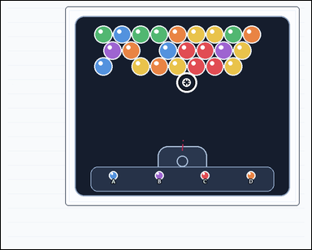 |  | task_games__bubble_shooter__pop_color_label | pop_color_label | bubble_shooter | pop_color_label | The scene shows a close-packed bubble-shooter board with colored bubbles, a marked landing target, and a visible launcher area. A shot bubble attaches at the marked target. A same-color connected group pops when the placed bubble makes that group size at least three. Choose the option label for the bubble color that would pop a group at the marked target. Format for the "answer" field: set "answer" to the single option label whose color would make bubbles pop. Example JSON: {"answer":"C"} | {"answer": "C"} | The scene shows a close-packed bubble-shooter board with colored bubbles, a marked landing target, and a visible launcher area. A shot bubble attaches at the marked target. A same-color connected group pops when the placed bubble makes that group size at least three. Choose the option label for the bubble color that would pop a group at the marked target. Final answer format: set "answer" to the single option label whose color would make bubbles pop. Annotation format: set "annotation" to an array of pixel-space center points [x, y] for the existing board bubbles that would pop for the selected option. Example JSON: {"annotation":[[403,279],[449,279]],"answer":"C"} | {"annotation": [[468.425, 125.15], [515.127, 125.15], [492.276, 165.448], [538.978, 165.448]], "answer": "C"} | string | point_set | 46205185000036 | games/bubble_shooter/task_games__bubble_shooter__pop_color_label/images/pop_color_label/0074.png | games/bubble_shooter/task_games__bubble_shooter__pop_color_label/data/pop_color_label/0074.json
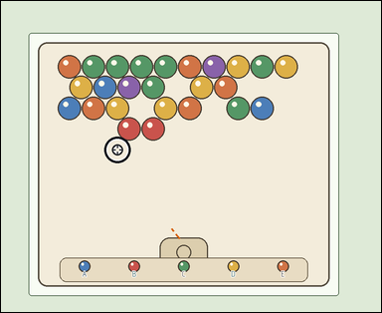 | 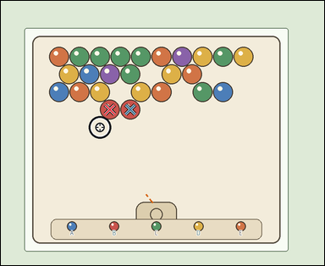 | task_games__bubble_shooter__pop_color_label | pop_color_label | bubble_shooter | pop_color_label | This scene shows a close-packed bubble-shooter board with colored bubbles, a marked landing target, and a visible launcher area. A shot bubble attaches at the marked target. A same-color connected group pops when the placed bubble makes that group size at least three. Which labeled next-bubble option would make bubbles pop at the marked target? Required answer format: set "answer" to the single option label whose color would make bubbles pop. Example JSON: {"answer":"C"} | {"answer": "B"} | This scene shows a close-packed bubble-shooter board with colored bubbles, a marked landing target, and a visible launcher area. A shot bubble attaches at the marked target. A same-color connected group pops when the placed bubble makes that group size at least three. Which labeled next-bubble option would make bubbles pop at the marked target? Final answer format: set "answer" to the single option label whose color would make bubbles pop. Annotation format: set "annotation" to an array of pixel-space center points [x, y] for the existing board bubbles that would pop for the selected option. Example JSON: {"annotation":[[403,279],[449,279]],"answer":"C"} | {"annotation": [[330.595, 329.763], [392.775, 329.763]], "answer": "B"} | string | point_set | 82022106278809 | games/bubble_shooter/task_games__bubble_shooter__pop_color_label/images/pop_color_label/0043.png | games/bubble_shooter/task_games__bubble_shooter__pop_color_label/data/pop_color_label/0043.json
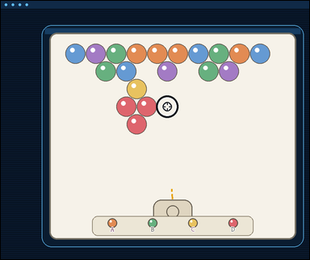 | 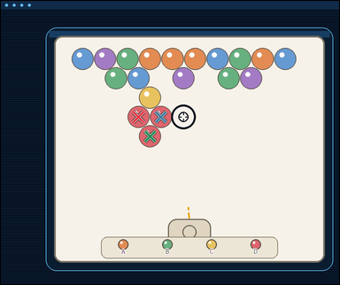 | task_games__bubble_shooter__pop_color_label | pop_color_label | bubble_shooter | pop_color_label | The image shows a close-packed bubble-shooter board with colored bubbles, a marked landing target, and a visible launcher area. A shot bubble attaches at the marked target. A same-color connected group pops when the placed bubble makes that group size at least three. Among the labeled color options, which one creates a popping group at the marked target? Final answer format: set "answer" to the single option label whose color would make bubbles pop. Example JSON: {"answer":"C"} | {"answer": "D"} | The image shows a close-packed bubble-shooter board with colored bubbles, a marked landing target, and a visible launcher area. A shot bubble attaches at the marked target. A same-color connected group pops when the placed bubble makes that group size at least three. Among the labeled color options, which one creates a popping group at the marked target? Annotation format: set "annotation" to an array of pixel-space center points [x, y] for the existing board bubbles that would pop for the selected option. Answer format: set "answer" to the single option label whose color would make bubbles pop. Example JSON: {"annotation":[[403,279],[449,279]],"answer":"C"} | {"annotation": [[398.77, 336.16], [463.983, 336.16], [432.377, 392.344]], "answer": "D"} | string | point_set | 103147743982188 | games/bubble_shooter/task_games__bubble_shooter__pop_color_label/images/pop_color_label/0093.png | games/bubble_shooter/task_games__bubble_shooter__pop_color_label/data/pop_color_label/0093.json
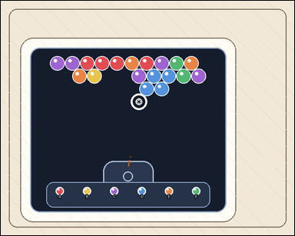 | 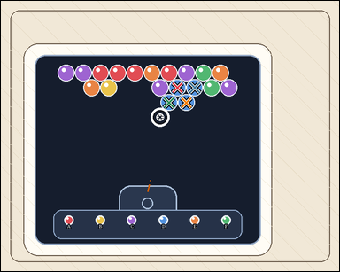 | task_games__bubble_shooter__pop_color_label | pop_color_label | bubble_shooter | pop_color_label | The image shows a close-packed bubble-shooter board with colored bubbles, a marked landing target, and a visible launcher area. A shot bubble attaches at the marked target. A same-color connected group pops when the placed bubble makes that group size at least three. If one option color is shot to the marked target, which option label would cause a pop? Final answer format: set "answer" to the single option label whose color would make bubbles pop. Example JSON: {"answer":"C"} | {"answer": "D"} | The image shows a close-packed bubble-shooter board with colored bubbles, a marked landing target, and a visible launcher area. A shot bubble attaches at the marked target. A same-color connected group pops when the placed bubble makes that group size at least three. If one option color is shot to the marked target, which option label would cause a pop? Annotation format: set "annotation" to an array of pixel-space center points [x, y] for the existing board bubbles that would pop for the selected option. Answer format: set "answer" to the single option label whose color would make bubbles pop. Example JSON: {"annotation":[[403,279],[449,279]],"answer":"C"} | {"annotation": [[377.444, 185.463], [414.127, 185.463], [359.603, 217.085], [396.286, 217.085]], "answer": "D"} | string | point_set | 147581542204035 | games/bubble_shooter/task_games__bubble_shooter__pop_color_label/images/pop_color_label/0075.png | games/bubble_shooter/task_games__bubble_shooter__pop_color_label/data/pop_color_label/0075.json
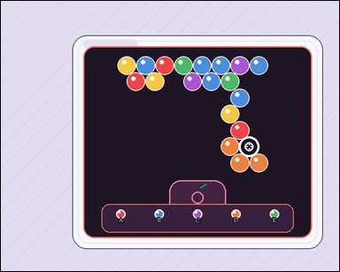 |  | task_games__bubble_shooter__pop_color_label | pop_color_label | bubble_shooter | pop_color_label | The figure shows a close-packed bubble-shooter board with colored bubbles, a marked landing target, and a visible launcher area. A shot bubble attaches at the marked target. A same-color connected group pops when the placed bubble makes that group size at least three. If one option color is shot to the marked target, which option label would cause a pop? Format for the "answer" field: set "answer" to the single option label whose color would make bubbles pop. Example JSON: {"answer":"C"} | {"answer": "D"} | The figure shows a close-packed bubble-shooter board with colored bubbles, a marked landing target, and a visible launcher area. A shot bubble attaches at the marked target. A same-color connected group pops when the placed bubble makes that group size at least three. If one option color is shot to the marked target, which option label would cause a pop? Final answer format: set "answer" to the single option label whose color would make bubbles pop. Annotation format: set "annotation" to an array of pixel-space center points [x, y] for the existing board bubbles that would pop for the selected option. Example JSON: {"annotation":[[403,279],[449,279]],"answer":"C"} | {"annotation": [[501.859, 318.797], [522.962, 354.336], [564.168, 354.336]], "answer": "D"} | string | point_set | 152680689202476 | games/bubble_shooter/task_games__bubble_shooter__pop_color_label/images/pop_color_label/0045.png | games/bubble_shooter/task_games__bubble_shooter__pop_color_label/data/pop_color_label/0045.json
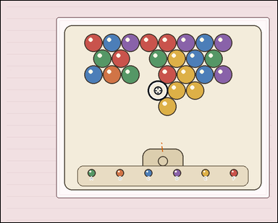 | 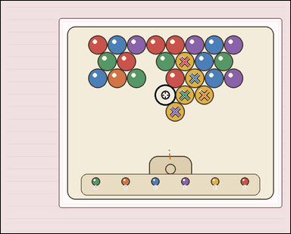 | task_games__bubble_shooter__pop_color_label | pop_color_label | bubble_shooter | pop_color_label | The scene shows a close-packed bubble-shooter board with colored bubbles, a marked landing target, and a visible launcher area. A shot bubble attaches at the marked target. A same-color connected group pops when the placed bubble makes that group size at least three. Choose the option label for the bubble color that would pop a group at the marked target. Answer format: set "answer" to the single option label whose color would make bubbles pop. Example JSON: {"answer":"C"} | {"answer": "E"} | The scene shows a close-packed bubble-shooter board with colored bubbles, a marked landing target, and a visible launcher area. A shot bubble attaches at the marked target. A same-color connected group pops when the placed bubble makes that group size at least three. Choose the option label for the bubble color that would pop a group at the marked target. Annotation format: set "annotation" to an array of pixel-space center points [x, y] for the existing board bubbles that would pop for the selected option. Answer format: set "answer" to the single option label whose color would make bubbles pop. Example JSON: {"annotation":[[403,279],[449,279]],"answer":"C"} | {"annotation": [[532.873, 176.075], [561.455, 224.569], [532.873, 273.062], [589.037, 273.062], [505.291, 321.555]], "answer": "E"} | string | point_set | 268589850081488 | games/bubble_shooter/task_games__bubble_shooter__pop_color_label/images/pop_color_label/0004.png | games/bubble_shooter/task_games__bubble_shooter__pop_color_label/data/pop_color_label/0004.json
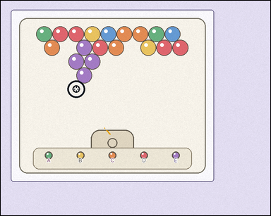 | 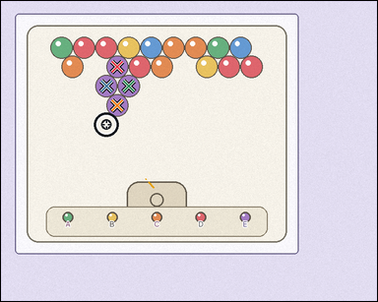 | task_games__bubble_shooter__pop_color_label | pop_color_label | bubble_shooter | pop_color_label | The image shows a close-packed bubble-shooter board with colored bubbles, a marked landing target, and a visible launcher area. A shot bubble attaches at the marked target. A same-color connected group pops when the placed bubble makes that group size at least three. If one option color is shot to the marked target, which option label would cause a pop? Answer format: set "answer" to the single option label whose color would make bubbles pop. Example JSON: {"answer":"C"} | {"answer": "E"} | The image shows a close-packed bubble-shooter board with colored bubbles, a marked landing target, and a visible launcher area. A shot bubble attaches at the marked target. A same-color connected group pops when the placed bubble makes that group size at least three. If one option color is shot to the marked target, which option label would cause a pop? Annotation format: set "annotation" to an array of pixel-space center points [x, y] for the existing board bubbles that would pop for the selected option. Answer format: set "answer" to the single option label whose color would make bubbles pop. Example JSON: {"annotation":[[403,279],[449,279]],"answer":"C"} | {"annotation": [[240.755, 136.577], [218.114, 176.513], [264.397, 176.513], [240.755, 216.449]], "answer": "E"} | string | point_set | 439279241356997 | games/bubble_shooter/task_games__bubble_shooter__pop_color_label/images/pop_color_label/0052.png | games/bubble_shooter/task_games__bubble_shooter__pop_color_label/data/pop_color_label/0052.json
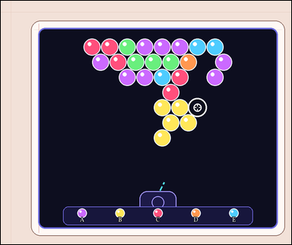 | 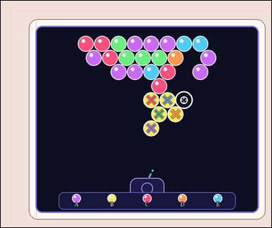 | task_games__bubble_shooter__pop_color_label | pop_color_label | bubble_shooter | pop_color_label | The figure shows a close-packed bubble-shooter board with colored bubbles, a marked landing target, and a visible launcher area. A shot bubble attaches at the marked target. A same-color connected group pops when the placed bubble makes that group size at least three. Which labeled next-bubble option would make bubbles pop at the marked target? Final answer format: set "answer" to the single option label whose color would make bubbles pop. Example JSON: {"answer":"C"} | {"answer": "B"} | The figure shows a close-packed bubble-shooter board with colored bubbles, a marked landing target, and a visible launcher area. A shot bubble attaches at the marked target. A same-color connected group pops when the placed bubble makes that group size at least three. Which labeled next-bubble option would make bubbles pop at the marked target? Final answer format: set "answer" to the single option label whose color would make bubbles pop. Annotation format: set "annotation" to an array of pixel-space center points [x, y] for the existing board bubbles that would pop for the selected option. Example JSON: {"annotation":[[403,279],[449,279]],"answer":"C"} | {"annotation": [[545.321, 359.832], [604.603, 359.832], [573.962, 410.879], [633.244, 410.879], [545.321, 461.927]], "answer": "B"} | string | point_set | 580163892739630 | games/bubble_shooter/task_games__bubble_shooter__pop_color_label/images/pop_color_label/0031.png | games/bubble_shooter/task_games__bubble_shooter__pop_color_label/data/pop_color_label/0031.json
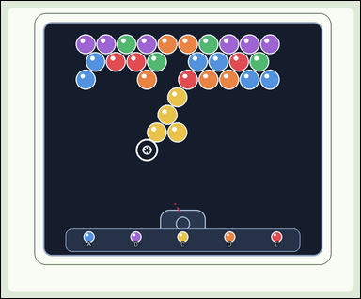 | 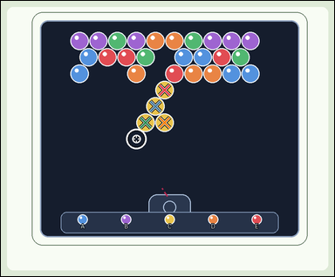 | task_games__bubble_shooter__pop_color_label | pop_color_label | bubble_shooter | pop_color_label | This scene shows a close-packed bubble-shooter board with colored bubbles, a marked landing target, and a visible launcher area. A shot bubble attaches at the marked target. A same-color connected group pops when the placed bubble makes that group size at least three. If one option color is shot to the marked target, which option label would cause a pop? Required answer format: set "answer" to the single option label whose color would make bubbles pop. Example JSON: {"answer":"C"} | {"answer": "C"} | This scene shows a close-packed bubble-shooter board with colored bubbles, a marked landing target, and a visible launcher area. A shot bubble attaches at the marked target. A same-color connected group pops when the placed bubble makes that group size at least three. If one option color is shot to the marked target, which option label would cause a pop? Annotation format: set "annotation" to an array of pixel-space center points [x, y] for the existing board bubbles that would pop for the selected option. Answer format: set "answer" to the single option label whose color would make bubbles pop. Example JSON: {"annotation":[[403,279],[449,279]],"answer":"C"} | {"annotation": [[481.531, 262.233], [454.593, 310.332], [425.654, 358.43], [481.531, 358.43]], "answer": "C"} | string | point_set | 592825311378676 | games/bubble_shooter/task_games__bubble_shooter__pop_color_label/images/pop_color_label/0092.png | games/bubble_shooter/task_games__bubble_shooter__pop_color_label/data/pop_color_label/0092.json
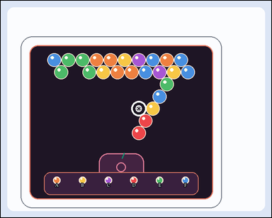 | 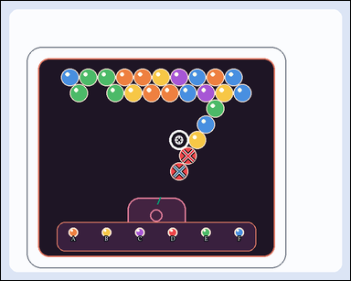 | task_games__bubble_shooter__pop_color_label | pop_color_label | bubble_shooter | pop_color_label | This scene shows a close-packed bubble-shooter board with colored bubbles, a marked landing target, and a visible launcher area. A shot bubble attaches at the marked target. A same-color connected group pops when the placed bubble makes that group size at least three. Among the labeled color options, which one creates a popping group at the marked target? Required answer format: set "answer" to the single option label whose color would make bubbles pop. Example JSON: {"answer":"C"} | {"answer": "D"} | This scene shows a close-packed bubble-shooter board with colored bubbles, a marked landing target, and a visible launcher area. A shot bubble attaches at the marked target. A same-color connected group pops when the placed bubble makes that group size at least three. Among the labeled color options, which one creates a popping group at the marked target? Annotation format: set "annotation" to an array of pixel-space center points [x, y] for the existing board bubbles that would pop for the selected option. Answer format: set "answer" to the single option label whose color would make bubbles pop. Example JSON: {"annotation":[[403,279],[449,279]],"answer":"C"} | {"annotation": [[399.094, 330.023], [380.21, 363.451]], "answer": "D"} | string | point_set | 784144275626196 | games/bubble_shooter/task_games__bubble_shooter__pop_color_label/images/pop_color_label/0087.png | games/bubble_shooter/task_games__bubble_shooter__pop_color_label/data/pop_color_label/0087.json
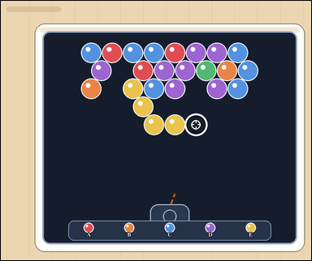 | 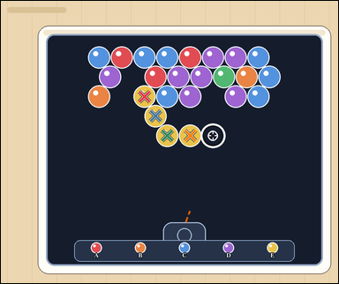 | task_games__bubble_shooter__pop_color_label | pop_color_label | bubble_shooter | pop_color_label | This scene shows a close-packed bubble-shooter board with colored bubbles, a marked landing target, and a visible launcher area. A shot bubble attaches at the marked target. A same-color connected group pops when the placed bubble makes that group size at least three. Report the label of the only shown color option that would make bubbles pop. Final answer format: set "answer" to the single option label whose color would make bubbles pop. Example JSON: {"answer":"C"} | {"answer": "E"} | This scene shows a close-packed bubble-shooter board with colored bubbles, a marked landing target, and a visible launcher area. A shot bubble attaches at the marked target. A same-color connected group pops when the placed bubble makes that group size at least three. Report the label of the only shown color option that would make bubbles pop. Annotation format: set "annotation" to an array of pixel-space center points [x, y] for the existing board bubbles that would pop for the selected option. Answer format: set "answer" to the single option label whose color would make bubbles pop. Example JSON: {"annotation":[[403,279],[449,279]],"answer":"C"} | {"annotation": [[417.778, 278.015], [449.841, 334.99], [483.905, 391.966], [550.032, 391.966]], "answer": "E"} | string | point_set | 926578170780522 | games/bubble_shooter/task_games__bubble_shooter__pop_color_label/images/pop_color_label/0016.png | games/bubble_shooter/task_games__bubble_shooter__pop_color_label/data/pop_color_label/0016.json
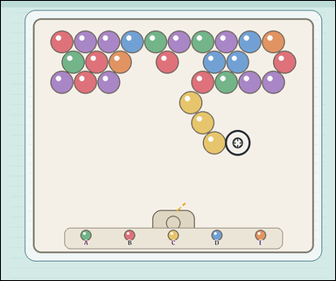 | 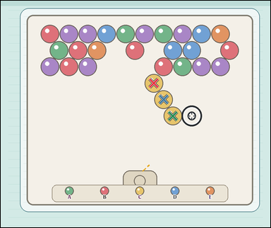 | task_games__bubble_shooter__pop_color_label | pop_color_label | bubble_shooter | pop_color_label | The figure shows a close-packed bubble-shooter board with colored bubbles, a marked landing target, and a visible launcher area. A shot bubble attaches at the marked target. A same-color connected group pops when the placed bubble makes that group size at least three. Which labeled next-bubble option would make bubbles pop at the marked target? Format for the "answer" field: set "answer" to the single option label whose color would make bubbles pop. Example JSON: {"answer":"C"} | {"answer": "C"} | The figure shows a close-packed bubble-shooter board with colored bubbles, a marked landing target, and a visible launcher area. A shot bubble attaches at the marked target. A same-color connected group pops when the placed bubble makes that group size at least three. Which labeled next-bubble option would make bubbles pop at the marked target? Annotation format: set "annotation" to an array of pixel-space center points [x, y] for the existing board bubbles that would pop for the selected option. Answer format: set "answer" to the single option label whose color would make bubbles pop. Example JSON: {"annotation":[[403,279],[449,279]],"answer":"C"} | {"annotation": [[556.682, 298.612], [592.137, 357.998], [625.592, 417.384]], "answer": "C"} | string | point_set | 993224726308314 | games/bubble_shooter/task_games__bubble_shooter__pop_color_label/images/pop_color_label/0008.png | games/bubble_shooter/task_games__bubble_shooter__pop_color_label/data/pop_color_label/0008.json
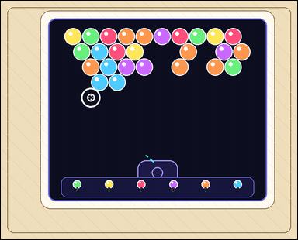 | 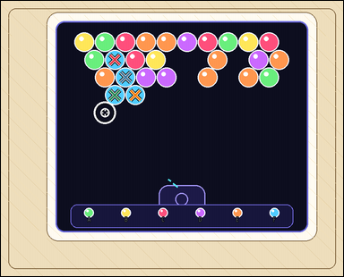 | task_games__bubble_shooter__pop_color_label | pop_color_label | bubble_shooter | pop_color_label | The scene shows a close-packed bubble-shooter board with colored bubbles, a marked landing target, and a visible launcher area. A shot bubble attaches at the marked target. A same-color connected group pops when the placed bubble makes that group size at least three. If one option color is shot to the marked target, which option label would cause a pop? Answer field: set "answer" to the single option label whose color would make bubbles pop. Example JSON: {"answer":"C"} | {"answer": "F"} | The scene shows a close-packed bubble-shooter board with colored bubbles, a marked landing target, and a visible launcher area. A shot bubble attaches at the marked target. A same-color connected group pops when the placed bubble makes that group size at least three. If one option color is shot to the marked target, which option label would cause a pop? Annotation format: set "annotation" to an array of pixel-space center points [x, y] for the existing board bubbles that would pop for the selected option. Answer format: set "answer" to the single option label whose color would make bubbles pop. Example JSON: {"annotation":[[403,279],[449,279]],"answer":"C"} | {"annotation": [[304.635, 157.677], [333.076, 204.914], [304.635, 252.151], [359.517, 252.151]], "answer": "F"} | string | point_set | 1.0701648713E+15 | games/bubble_shooter/task_games__bubble_shooter__pop_color_label/images/pop_color_label/0071.png | games/bubble_shooter/task_games__bubble_shooter__pop_color_label/data/pop_color_label/0071.json
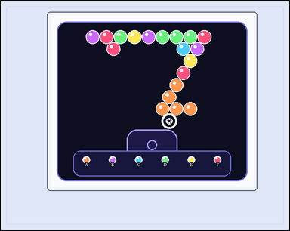 | 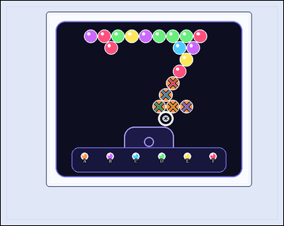 | task_games__bubble_shooter__pop_color_label | pop_color_label | bubble_shooter | pop_color_label | The visual shows a close-packed bubble-shooter board with colored bubbles, a marked landing target, and a visible launcher area. A shot bubble attaches at the marked target. A same-color connected group pops when the placed bubble makes that group size at least three. If one option color is shot to the marked target, which option label would cause a pop? Format for the "answer" field: set "answer" to the single option label whose color would make bubbles pop. Example JSON: {"answer":"C"} | {"answer": "A"} | The visual shows a close-packed bubble-shooter board with colored bubbles, a marked landing target, and a visible launcher area. A shot bubble attaches at the marked target. A same-color connected group pops when the placed bubble makes that group size at least three. If one option color is shot to the marked target, which option label would cause a pop? Annotation format: set "annotation" to an array of pixel-space center points [x, y] for the existing board bubbles that would pop for the selected option. Answer format: set "answer" to the single option label whose color would make bubbles pop. Example JSON: {"annotation":[[403,279],[449,279]],"answer":"C"} | {"annotation": [[430.068, 206.416], [412.477, 235.872], [395.886, 265.328], [430.068, 265.328], [464.25, 265.328]], "answer": "A"} | string | point_set | 1.1166696614E+15 | games/bubble_shooter/task_games__bubble_shooter__pop_color_label/images/pop_color_label/0054.png | games/bubble_shooter/task_games__bubble_shooter__pop_color_label/data/pop_color_label/0054.json
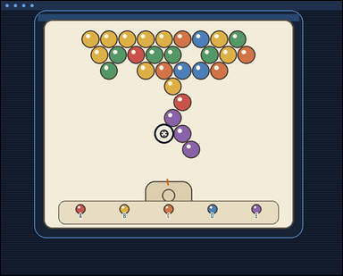 |  | task_games__bubble_shooter__pop_color_label | pop_color_label | bubble_shooter | pop_color_label | The visual shows a close-packed bubble-shooter board with colored bubbles, a marked landing target, and a visible launcher area. A shot bubble attaches at the marked target. A same-color connected group pops when the placed bubble makes that group size at least three. Which labeled next-bubble option would make bubbles pop at the marked target? Answer field: set "answer" to the single option label whose color would make bubbles pop. Example JSON: {"answer":"C"} | {"answer": "E"} | The visual shows a close-packed bubble-shooter board with colored bubbles, a marked landing target, and a visible launcher area. A shot bubble attaches at the marked target. A same-color connected group pops when the placed bubble makes that group size at least three. Which labeled next-bubble option would make bubbles pop at the marked target? Annotation format: set "annotation" to an array of pixel-space center points [x, y] for the existing board bubbles that would pop for the selected option. Answer format: set "answer" to the single option label whose color would make bubbles pop. Example JSON: {"annotation":[[403,279],[449,279]],"answer":"C"} | {"annotation": [[454.64, 310.095], [479.921, 351.857], [503.201, 393.62]], "answer": "E"} | string | point_set | 1.1857610794E+15 | games/bubble_shooter/task_games__bubble_shooter__pop_color_label/images/pop_color_label/0040.png | games/bubble_shooter/task_games__bubble_shooter__pop_color_label/data/pop_color_label/0040.json
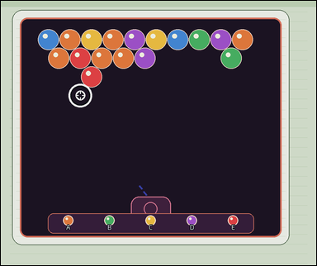 |  | task_games__bubble_shooter__pop_color_label | pop_color_label | bubble_shooter | pop_color_label | The visual shows a close-packed bubble-shooter board with colored bubbles, a marked landing target, and a visible launcher area. A shot bubble attaches at the marked target. A same-color connected group pops when the placed bubble makes that group size at least three. Which labeled next-bubble option would make bubbles pop at the marked target? Answer field: set "answer" to the single option label whose color would make bubbles pop. Example JSON: {"answer":"C"} | {"answer": "E"} | The visual shows a close-packed bubble-shooter board with colored bubbles, a marked landing target, and a visible launcher area. A shot bubble attaches at the marked target. A same-color connected group pops when the placed bubble makes that group size at least three. Which labeled next-bubble option would make bubbles pop at the marked target? Required annotation format: set "annotation" to an array of pixel-space center points [x, y] for the existing board bubbles that would pop for the selected option. Required answer format: set "answer" to the single option label whose color would make bubbles pop. Example JSON: {"annotation":[[403,279],[449,279]],"answer":"C"} | {"annotation": [[247.326, 178.2], [281.815, 235.911]], "answer": "E"} | string | point_set | 1.1933010547E+15 | games/bubble_shooter/task_games__bubble_shooter__pop_color_label/images/pop_color_label/0058.png | games/bubble_shooter/task_games__bubble_shooter__pop_color_label/data/pop_color_label/0058.json
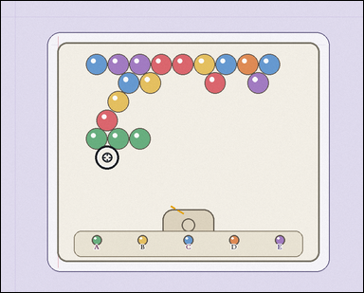 | 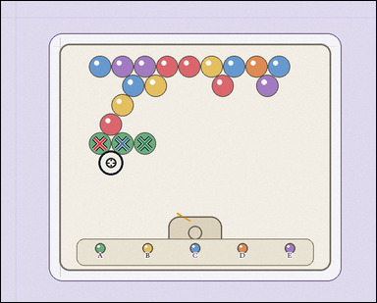 | task_games__bubble_shooter__pop_color_label | pop_color_label | bubble_shooter | pop_color_label | The visual shows a close-packed bubble-shooter board with colored bubbles, a marked landing target, and a visible launcher area. A shot bubble attaches at the marked target. A same-color connected group pops when the placed bubble makes that group size at least three. If one option color is shot to the marked target, which option label would cause a pop? Format for the "answer" field: set "answer" to the single option label whose color would make bubbles pop. Example JSON: {"answer":"C"} | {"answer": "A"} | The visual shows a close-packed bubble-shooter board with colored bubbles, a marked landing target, and a visible launcher area. A shot bubble attaches at the marked target. A same-color connected group pops when the placed bubble makes that group size at least three. If one option color is shot to the marked target, which option label would cause a pop? Annotation format: set "annotation" to an array of pixel-space center points [x, y] for the existing board bubbles that would pop for the selected option. Answer format: set "answer" to the single option label whose color would make bubbles pop. Example JSON: {"annotation":[[403,279],[449,279]],"answer":"C"} | {"annotation": [[229.992, 331.357], [281.818, 331.357], [333.643, 331.357]], "answer": "A"} | string | point_set | 1.3172727601E+15 | games/bubble_shooter/task_games__bubble_shooter__pop_color_label/images/pop_color_label/0042.png | games/bubble_shooter/task_games__bubble_shooter__pop_color_label/data/pop_color_label/0042.json
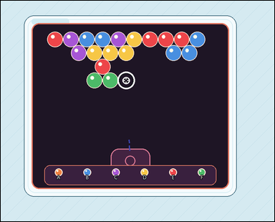 |  | task_games__bubble_shooter__pop_color_label | pop_color_label | bubble_shooter | pop_color_label | The image shows a close-packed bubble-shooter board with colored bubbles, a marked landing target, and a visible launcher area. A shot bubble attaches at the marked target. A same-color connected group pops when the placed bubble makes that group size at least three. Among the labeled color options, which one creates a popping group at the marked target? Required answer format: set "answer" to the single option label whose color would make bubbles pop. Example JSON: {"answer":"C"} | {"answer": "F"} | The image shows a close-packed bubble-shooter board with colored bubbles, a marked landing target, and a visible launcher area. A shot bubble attaches at the marked target. A same-color connected group pops when the placed bubble makes that group size at least three. Among the labeled color options, which one creates a popping group at the marked target? Annotation format: set "annotation" to an array of pixel-space center points [x, y] for the existing board bubbles that would pop for the selected option. Answer format: set "answer" to the single option label whose color would make bubbles pop. Example JSON: {"annotation":[[403,279],[449,279]],"answer":"C"} | {"annotation": [[295.283, 250.232], [345.046, 250.232]], "answer": "F"} | string | point_set | 1.3894149818E+15 | games/bubble_shooter/task_games__bubble_shooter__pop_color_label/images/pop_color_label/0041.png | games/bubble_shooter/task_games__bubble_shooter__pop_color_label/data/pop_color_label/0041.json
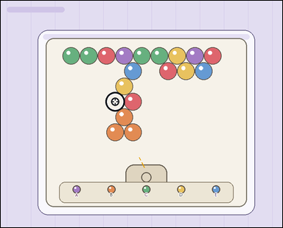 | 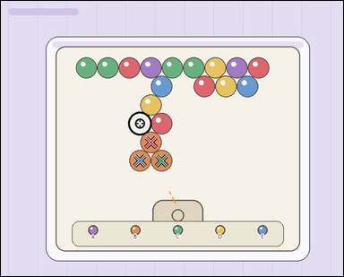 | task_games__bubble_shooter__pop_color_label | pop_color_label | bubble_shooter | pop_color_label | The scene shows a close-packed bubble-shooter board with colored bubbles, a marked landing target, and a visible launcher area. A shot bubble attaches at the marked target. A same-color connected group pops when the placed bubble makes that group size at least three. Which labeled next-bubble option would make bubbles pop at the marked target? Answer field: set "answer" to the single option label whose color would make bubbles pop. Example JSON: {"answer":"C"} | {"answer": "B"} | The scene shows a close-packed bubble-shooter board with colored bubbles, a marked landing target, and a visible launcher area. A shot bubble attaches at the marked target. A same-color connected group pops when the placed bubble makes that group size at least three. Which labeled next-bubble option would make bubbles pop at the marked target? Final answer format: set "answer" to the single option label whose color would make bubbles pop. Annotation format: set "annotation" to an array of pixel-space center points [x, y] for the existing board bubbles that would pop for the selected option. Example JSON: {"annotation":[[403,279],[449,279]],"answer":"C"} | {"annotation": [[368.281, 346.121], [341.394, 391.679], [394.169, 391.679]], "answer": "B"} | string | point_set | 1.8560149674E+15 | games/bubble_shooter/task_games__bubble_shooter__pop_color_label/images/pop_color_label/0019.png | games/bubble_shooter/task_games__bubble_shooter__pop_color_label/data/pop_color_label/0019.json
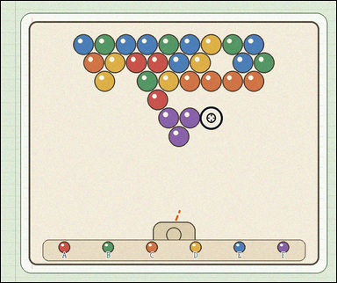 | 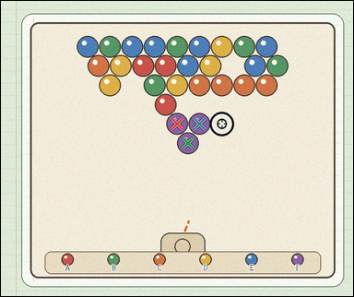 | task_games__bubble_shooter__pop_color_label | pop_color_label | bubble_shooter | pop_color_label | The figure shows a close-packed bubble-shooter board with colored bubbles, a marked landing target, and a visible launcher area. A shot bubble attaches at the marked target. A same-color connected group pops when the placed bubble makes that group size at least three. Choose the option label for the bubble color that would pop a group at the marked target. Required answer format: set "answer" to the single option label whose color would make bubbles pop. Example JSON: {"answer":"C"} | {"answer": "F"} | The figure shows a close-packed bubble-shooter board with colored bubbles, a marked landing target, and a visible launcher area. A shot bubble attaches at the marked target. A same-color connected group pops when the placed bubble makes that group size at least three. Choose the option label for the bubble color that would pop a group at the marked target. Annotation format: set "annotation" to an array of pixel-space center points [x, y] for the existing board bubbles that would pop for the selected option. Answer format: set "answer" to the single option label whose color would make bubbles pop. Example JSON: {"annotation":[[403,279],[449,279]],"answer":"C"} | {"annotation": [[490.423, 341.832], [552.732, 341.832], [520.577, 395.501]], "answer": "F"} | string | point_set | 1.9769985848E+15 | games/bubble_shooter/task_games__bubble_shooter__pop_color_label/images/pop_color_label/0047.png | games/bubble_shooter/task_games__bubble_shooter__pop_color_label/data/pop_color_label/0047.json
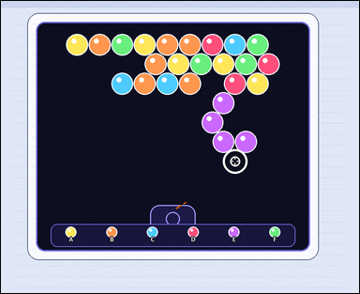 | 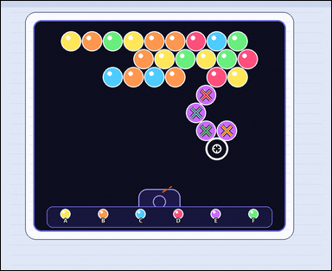 | task_games__bubble_shooter__pop_color_label | pop_color_label | bubble_shooter | pop_color_label | The figure shows a close-packed bubble-shooter board with colored bubbles, a marked landing target, and a visible launcher area. A shot bubble attaches at the marked target. A same-color connected group pops when the placed bubble makes that group size at least three. Choose the option label for the bubble color that would pop a group at the marked target. Final answer format: set "answer" to the single option label whose color would make bubbles pop. Example JSON: {"answer":"C"} | {"answer": "E"} | The figure shows a close-packed bubble-shooter board with colored bubbles, a marked landing target, and a visible launcher area. A shot bubble attaches at the marked target. A same-color connected group pops when the placed bubble makes that group size at least three. Choose the option label for the bubble color that would pop a group at the marked target. Annotation format: set "annotation" to an array of pixel-space center points [x, y] for the existing board bubbles that would pop for the selected option. Answer format: set "answer" to the single option label whose color would make bubbles pop. Example JSON: {"annotation":[[403,279],[449,279]],"answer":"C"} | {"annotation": [[608.909, 279.391], [579.04, 332.565], [608.909, 385.739], [670.646, 385.739]], "answer": "E"} | string | point_set | 2.0560108918E+15 | games/bubble_shooter/task_games__bubble_shooter__pop_color_label/images/pop_color_label/0094.png | games/bubble_shooter/task_games__bubble_shooter__pop_color_label/data/pop_color_label/0094.json
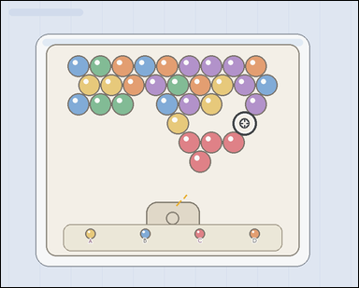 | 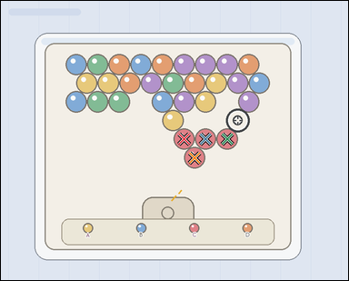 | task_games__bubble_shooter__pop_color_label | pop_color_label | bubble_shooter | pop_color_label | The figure shows a close-packed bubble-shooter board with colored bubbles, a marked landing target, and a visible launcher area. A shot bubble attaches at the marked target. A same-color connected group pops when the placed bubble makes that group size at least three. Choose the option label for the bubble color that would pop a group at the marked target. Required answer format: set "answer" to the single option label whose color would make bubbles pop. Example JSON: {"answer":"C"} | {"answer": "C"} | The figure shows a close-packed bubble-shooter board with colored bubbles, a marked landing target, and a visible launcher area. A shot bubble attaches at the marked target. A same-color connected group pops when the placed bubble makes that group size at least three. Choose the option label for the bubble color that would pop a group at the marked target. Required annotation format: set "annotation" to an array of pixel-space center points [x, y] for the existing board bubbles that would pop for the selected option. Required answer format: set "answer" to the single option label whose color would make bubbles pop. Example JSON: {"annotation":[[403,279],[449,279]],"answer":"C"} | {"annotation": [[436.31, 328.725], [487.724, 328.725], [539.137, 328.725], [461.517, 373.104]], "answer": "C"} | string | point_set | 2.1609044257E+15 | games/bubble_shooter/task_games__bubble_shooter__pop_color_label/images/pop_color_label/0098.png | games/bubble_shooter/task_games__bubble_shooter__pop_color_label/data/pop_color_label/0098.json
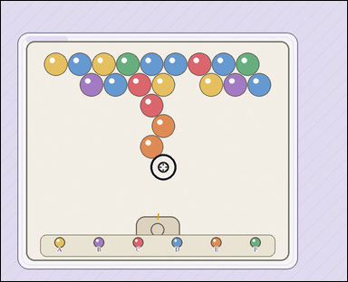 | 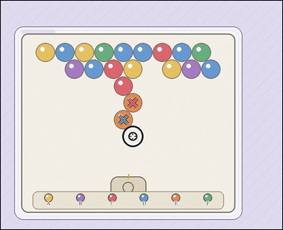 | task_games__bubble_shooter__pop_color_label | pop_color_label | bubble_shooter | pop_color_label | The scene shows a close-packed bubble-shooter board with colored bubbles, a marked landing target, and a visible launcher area. A shot bubble attaches at the marked target. A same-color connected group pops when the placed bubble makes that group size at least three. Which labeled next-bubble option would make bubbles pop at the marked target? Answer format: set "answer" to the single option label whose color would make bubbles pop. Example JSON: {"answer":"C"} | {"answer": "E"} | The scene shows a close-packed bubble-shooter board with colored bubbles, a marked landing target, and a visible launcher area. A shot bubble attaches at the marked target. A same-color connected group pops when the placed bubble makes that group size at least three. Which labeled next-bubble option would make bubbles pop at the marked target? Required annotation format: set "annotation" to an array of pixel-space center points [x, y] for the existing board bubbles that would pop for the selected option. Required answer format: set "answer" to the single option label whose color would make bubbles pop. Example JSON: {"annotation":[[403,279],[449,279]],"answer":"C"} | {"annotation": [[459.99, 355.663], [427.01, 414.225]], "answer": "E"} | string | point_set | 2.2574686339E+15 | games/bubble_shooter/task_games__bubble_shooter__pop_color_label/images/pop_color_label/0070.png | games/bubble_shooter/task_games__bubble_shooter__pop_color_label/data/pop_color_label/0070.json
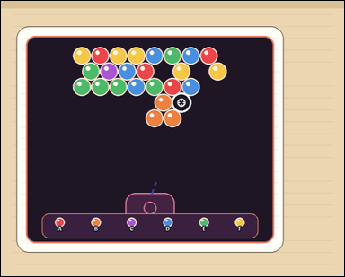 | 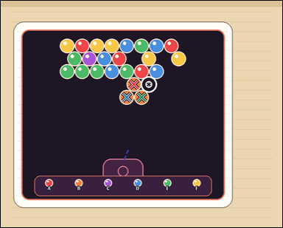 | task_games__bubble_shooter__pop_color_label | pop_color_label | bubble_shooter | pop_color_label | The visual shows a close-packed bubble-shooter board with colored bubbles, a marked landing target, and a visible launcher area. A shot bubble attaches at the marked target. A same-color connected group pops when the placed bubble makes that group size at least three. If one option color is shot to the marked target, which option label would cause a pop? Answer format: set "answer" to the single option label whose color would make bubbles pop. Example JSON: {"answer":"C"} | {"answer": "B"} | The visual shows a close-packed bubble-shooter board with colored bubbles, a marked landing target, and a visible launcher area. A shot bubble attaches at the marked target. A same-color connected group pops when the placed bubble makes that group size at least three. If one option color is shot to the marked target, which option label would cause a pop? Annotation format: set "annotation" to an array of pixel-space center points [x, y] for the existing board bubbles that would pop for the selected option. Answer format: set "answer" to the single option label whose color would make bubbles pop. Example JSON: {"annotation":[[403,279],[449,279]],"answer":"C"} | {"annotation": [[408.995, 256.519], [386.665, 295.916], [432.325, 295.916]], "answer": "B"} | string | point_set | 2.4431068885E+15 | games/bubble_shooter/task_games__bubble_shooter__pop_color_label/images/pop_color_label/0013.png | games/bubble_shooter/task_games__bubble_shooter__pop_color_label/data/pop_color_label/0013.json
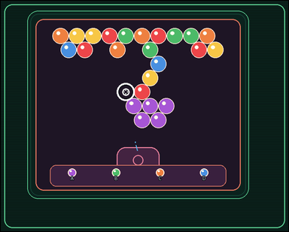 | 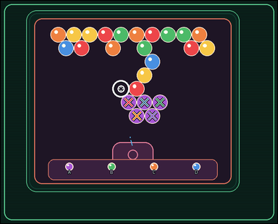 | task_games__bubble_shooter__pop_color_label | pop_color_label | bubble_shooter | pop_color_label | The figure shows a close-packed bubble-shooter board with colored bubbles, a marked landing target, and a visible launcher area. A shot bubble attaches at the marked target. A same-color connected group pops when the placed bubble makes that group size at least three. If one option color is shot to the marked target, which option label would cause a pop? Answer format: set "answer" to the single option label whose color would make bubbles pop. Example JSON: {"answer":"C"} | {"answer": "A"} | The figure shows a close-packed bubble-shooter board with colored bubbles, a marked landing target, and a visible launcher area. A shot bubble attaches at the marked target. A same-color connected group pops when the placed bubble makes that group size at least three. If one option color is shot to the marked target, which option label would cause a pop? Annotation format: set "annotation" to an array of pixel-space center points [x, y] for the existing board bubbles that would pop for the selected option. Answer format: set "answer" to the single option label whose color would make bubbles pop. Example JSON: {"annotation":[[403,279],[449,279]],"answer":"C"} | {"annotation": [[386.902, 306.686], [434.295, 306.686], [481.688, 306.686], [411.098, 347.584], [458.492, 347.584]], "answer": "A"} | string | point_set | 2.493321736E+15 | games/bubble_shooter/task_games__bubble_shooter__pop_color_label/images/pop_color_label/0024.png | games/bubble_shooter/task_games__bubble_shooter__pop_color_label/data/pop_color_label/0024.json
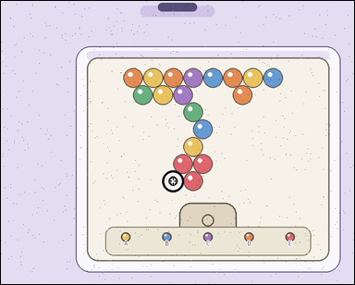 | 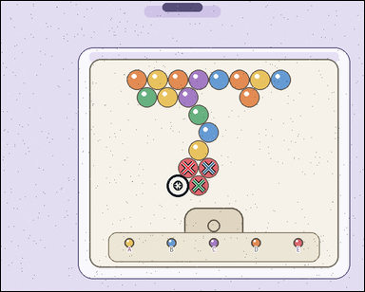 | task_games__bubble_shooter__pop_color_label | pop_color_label | bubble_shooter | pop_color_label | This scene shows a close-packed bubble-shooter board with colored bubbles, a marked landing target, and a visible launcher area. A shot bubble attaches at the marked target. A same-color connected group pops when the placed bubble makes that group size at least three. If one option color is shot to the marked target, which option label would cause a pop? Final answer format: set "answer" to the single option label whose color would make bubbles pop. Example JSON: {"answer":"C"} | {"answer": "E"} | This scene shows a close-packed bubble-shooter board with colored bubbles, a marked landing target, and a visible launcher area. A shot bubble attaches at the marked target. A same-color connected group pops when the placed bubble makes that group size at least three. If one option color is shot to the marked target, which option label would cause a pop? Annotation format: set "annotation" to an array of pixel-space center points [x, y] for the existing board bubbles that would pop for the selected option. Answer format: set "answer" to the single option label whose color would make bubbles pop. Example JSON: {"annotation":[[403,279],[449,279]],"answer":"C"} | {"annotation": [[394.265, 352.372], [437.453, 352.372], [416.359, 389.628]], "answer": "E"} | string | point_set | 2.5390695082E+15 | games/bubble_shooter/task_games__bubble_shooter__pop_color_label/images/pop_color_label/0082.png | games/bubble_shooter/task_games__bubble_shooter__pop_color_label/data/pop_color_label/0082.json
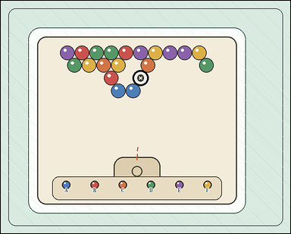 | 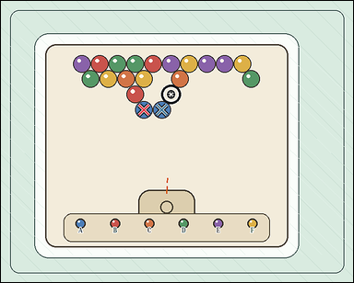 | task_games__bubble_shooter__pop_color_label | pop_color_label | bubble_shooter | pop_color_label | The visual shows a close-packed bubble-shooter board with colored bubbles, a marked landing target, and a visible launcher area. A shot bubble attaches at the marked target. A same-color connected group pops when the placed bubble makes that group size at least three. Report the label of the only shown color option that would make bubbles pop. Answer field: set "answer" to the single option label whose color would make bubbles pop. Example JSON: {"answer":"C"} | {"answer": "A"} | The visual shows a close-packed bubble-shooter board with colored bubbles, a marked landing target, and a visible launcher area. A shot bubble attaches at the marked target. A same-color connected group pops when the placed bubble makes that group size at least three. Report the label of the only shown color option that would make bubbles pop. Annotation format: set "annotation" to an array of pixel-space center points [x, y] for the existing board bubbles that would pop for the selected option. Answer format: set "answer" to the single option label whose color would make bubbles pop. Example JSON: {"annotation":[[403,279],[449,279]],"answer":"C"} | {"annotation": [[313.874, 239.2], [352.975, 239.2]], "answer": "A"} | string | point_set | 2.5419304727E+15 | games/bubble_shooter/task_games__bubble_shooter__pop_color_label/images/pop_color_label/0060.png | games/bubble_shooter/task_games__bubble_shooter__pop_color_label/data/pop_color_label/0060.json
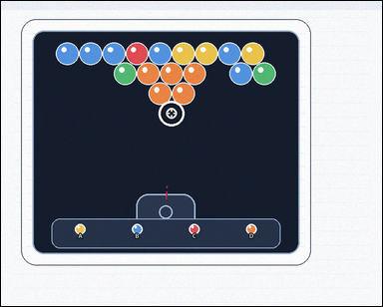 |  | task_games__bubble_shooter__pop_color_label | pop_color_label | bubble_shooter | pop_color_label | The scene shows a close-packed bubble-shooter board with colored bubbles, a marked landing target, and a visible launcher area. A shot bubble attaches at the marked target. A same-color connected group pops when the placed bubble makes that group size at least three. Among the labeled color options, which one creates a popping group at the marked target? Answer field: set "answer" to the single option label whose color would make bubbles pop. Example JSON: {"answer":"C"} | {"answer": "D"} | The scene shows a close-packed bubble-shooter board with colored bubbles, a marked landing target, and a visible launcher area. A shot bubble attaches at the marked target. A same-color connected group pops when the placed bubble makes that group size at least three. Among the labeled color options, which one creates a popping group at the marked target? Required annotation format: set "annotation" to an array of pixel-space center points [x, y] for the existing board bubbles that would pop for the selected option. Required answer format: set "answer" to the single option label whose color would make bubbles pop. Example JSON: {"annotation":[[403,279],[449,279]],"answer":"C"} | {"annotation": [[309.732, 152.867], [358.423, 152.867], [407.114, 152.867], [334.577, 194.889], [383.268, 194.889]], "answer": "D"} | string | point_set | 2.7121759278E+15 | games/bubble_shooter/task_games__bubble_shooter__pop_color_label/images/pop_color_label/0033.png | games/bubble_shooter/task_games__bubble_shooter__pop_color_label/data/pop_color_label/0033.json
 |  | task_games__bubble_shooter__pop_color_label | pop_color_label | bubble_shooter | pop_color_label | The figure shows a close-packed bubble-shooter board with colored bubbles, a marked landing target, and a visible launcher area. A shot bubble attaches at the marked target. A same-color connected group pops when the placed bubble makes that group size at least three. Among the labeled color options, which one creates a popping group at the marked target? Answer format: set "answer" to the single option label whose color would make bubbles pop. Example JSON: {"answer":"C"} | {"answer": "B"} | The figure shows a close-packed bubble-shooter board with colored bubbles, a marked landing target, and a visible launcher area. A shot bubble attaches at the marked target. A same-color connected group pops when the placed bubble makes that group size at least three. Among the labeled color options, which one creates a popping group at the marked target? Annotation format: set "annotation" to an array of pixel-space center points [x, y] for the existing board bubbles that would pop for the selected option. Answer format: set "answer" to the single option label whose color would make bubbles pop. Example JSON: {"annotation":[[403,279],[449,279]],"answer":"C"} | {"annotation": [[252.461, 337.961], [315.812, 337.961], [379.162, 337.961], [283.136, 392.532], [346.487, 392.532]], "answer": "B"} | string | point_set | 2.7799013766E+15 | games/bubble_shooter/task_games__bubble_shooter__pop_color_label/images/pop_color_label/0061.png | games/bubble_shooter/task_games__bubble_shooter__pop_color_label/data/pop_color_label/0061.json
 |  | task_games__bubble_shooter__pop_color_label | pop_color_label | bubble_shooter | pop_color_label | The figure shows a close-packed bubble-shooter board with colored bubbles, a marked landing target, and a visible launcher area. A shot bubble attaches at the marked target. A same-color connected group pops when the placed bubble makes that group size at least three. If one option color is shot to the marked target, which option label would cause a pop? Required answer format: set "answer" to the single option label whose color would make bubbles pop. Example JSON: {"answer":"C"} | {"answer": "B"} | The figure shows a close-packed bubble-shooter board with colored bubbles, a marked landing target, and a visible launcher area. A shot bubble attaches at the marked target. A same-color connected group pops when the placed bubble makes that group size at least three. If one option color is shot to the marked target, which option label would cause a pop? Annotation format: set "annotation" to an array of pixel-space center points [x, y] for the existing board bubbles that would pop for the selected option. Answer format: set "answer" to the single option label whose color would make bubbles pop. Example JSON: {"annotation":[[403,279],[449,279]],"answer":"C"} | {"annotation": [[387.145, 322.182], [413.487, 366.796]], "answer": "B"} | string | point_set | 2.7899143578E+15 | games/bubble_shooter/task_games__bubble_shooter__pop_color_label/images/pop_color_label/0049.png | games/bubble_shooter/task_games__bubble_shooter__pop_color_label/data/pop_color_label/0049.json
 |  | task_games__bubble_shooter__pop_color_label | pop_color_label | bubble_shooter | pop_color_label | The scene shows a close-packed bubble-shooter board with colored bubbles, a marked landing target, and a visible launcher area. A shot bubble attaches at the marked target. A same-color connected group pops when the placed bubble makes that group size at least three. Which labeled next-bubble option would make bubbles pop at the marked target? Answer field: set "answer" to the single option label whose color would make bubbles pop. Example JSON: {"answer":"C"} | {"answer": "A"} | The scene shows a close-packed bubble-shooter board with colored bubbles, a marked landing target, and a visible launcher area. A shot bubble attaches at the marked target. A same-color connected group pops when the placed bubble makes that group size at least three. Which labeled next-bubble option would make bubbles pop at the marked target? Final answer format: set "answer" to the single option label whose color would make bubbles pop. Annotation format: set "annotation" to an array of pixel-space center points [x, y] for the existing board bubbles that would pop for the selected option. Example JSON: {"annotation":[[403,279],[449,279]],"answer":"C"} | {"annotation": [[428.81, 344.695], [485.57, 344.695], [458.19, 393.558], [514.949, 393.558], [485.57, 442.421]], "answer": "A"} | string | point_set | 2.8312074152E+15 | games/bubble_shooter/task_games__bubble_shooter__pop_color_label/images/pop_color_label/0084.png | games/bubble_shooter/task_games__bubble_shooter__pop_color_label/data/pop_color_label/0084.json
 |  | task_games__bubble_shooter__pop_color_label | pop_color_label | bubble_shooter | pop_color_label | The image shows a close-packed bubble-shooter board with colored bubbles, a marked landing target, and a visible launcher area. A shot bubble attaches at the marked target. A same-color connected group pops when the placed bubble makes that group size at least three. Among the labeled color options, which one creates a popping group at the marked target? Required answer format: set "answer" to the single option label whose color would make bubbles pop. Example JSON: {"answer":"C"} | {"answer": "C"} | The image shows a close-packed bubble-shooter board with colored bubbles, a marked landing target, and a visible launcher area. A shot bubble attaches at the marked target. A same-color connected group pops when the placed bubble makes that group size at least three. Among the labeled color options, which one creates a popping group at the marked target? Annotation format: set "annotation" to an array of pixel-space center points [x, y] for the existing board bubbles that would pop for the selected option. Answer format: set "answer" to the single option label whose color would make bubbles pop. Example JSON: {"annotation":[[403,279],[449,279]],"answer":"C"} | {"annotation": [[485.366, 183.413], [521.954, 183.413], [467.572, 214.953], [504.16, 214.953]], "answer": "C"} | string | point_set | 3.0554353567E+15 | games/bubble_shooter/task_games__bubble_shooter__pop_color_label/images/pop_color_label/0044.png | games/bubble_shooter/task_games__bubble_shooter__pop_color_label/data/pop_color_label/0044.json
 |  | task_games__bubble_shooter__pop_color_label | pop_color_label | bubble_shooter | pop_color_label | This scene shows a close-packed bubble-shooter board with colored bubbles, a marked landing target, and a visible launcher area. A shot bubble attaches at the marked target. A same-color connected group pops when the placed bubble makes that group size at least three. Report the label of the only shown color option that would make bubbles pop. Format for the "answer" field: set "answer" to the single option label whose color would make bubbles pop. Example JSON: {"answer":"C"} | {"answer": "F"} | This scene shows a close-packed bubble-shooter board with colored bubbles, a marked landing target, and a visible launcher area. A shot bubble attaches at the marked target. A same-color connected group pops when the placed bubble makes that group size at least three. Report the label of the only shown color option that would make bubbles pop. Final answer format: set "answer" to the single option label whose color would make bubbles pop. Annotation format: set "annotation" to an array of pixel-space center points [x, y] for the existing board bubbles that would pop for the selected option. Example JSON: {"annotation":[[403,279],[449,279]],"answer":"C"} | {"annotation": [[473.228, 377.319], [534.257, 377.319], [504.743, 429.88], [565.772, 429.88]], "answer": "F"} | string | point_set | 3.0914884548E+15 | games/bubble_shooter/task_games__bubble_shooter__pop_color_label/images/pop_color_label/0035.png | games/bubble_shooter/task_games__bubble_shooter__pop_color_label/data/pop_color_label/0035.json
 |  | task_games__bubble_shooter__pop_color_label | pop_color_label | bubble_shooter | pop_color_label | The image shows a close-packed bubble-shooter board with colored bubbles, a marked landing target, and a visible launcher area. A shot bubble attaches at the marked target. A same-color connected group pops when the placed bubble makes that group size at least three. Choose the option label for the bubble color that would pop a group at the marked target. Final answer format: set "answer" to the single option label whose color would make bubbles pop. Example JSON: {"answer":"C"} | {"answer": "A"} | The image shows a close-packed bubble-shooter board with colored bubbles, a marked landing target, and a visible launcher area. A shot bubble attaches at the marked target. A same-color connected group pops when the placed bubble makes that group size at least three. Choose the option label for the bubble color that would pop a group at the marked target. Annotation format: set "annotation" to an array of pixel-space center points [x, y] for the existing board bubbles that would pop for the selected option. Answer format: set "answer" to the single option label whose color would make bubbles pop. Example JSON: {"annotation":[[403,279],[449,279]],"answer":"C"} | {"annotation": [[398.078, 260.141], [455.216, 260.141], [427.647, 309.332], [398.078, 358.523]], "answer": "A"} | string | point_set | 3.2736110901E+15 | games/bubble_shooter/task_games__bubble_shooter__pop_color_label/images/pop_color_label/0072.png | games/bubble_shooter/task_games__bubble_shooter__pop_color_label/data/pop_color_label/0072.json
 |  | task_games__bubble_shooter__pop_color_label | pop_color_label | bubble_shooter | pop_color_label | The scene shows a close-packed bubble-shooter board with colored bubbles, a marked landing target, and a visible launcher area. A shot bubble attaches at the marked target. A same-color connected group pops when the placed bubble makes that group size at least three. Which labeled next-bubble option would make bubbles pop at the marked target? Required answer format: set "answer" to the single option label whose color would make bubbles pop. Example JSON: {"answer":"C"} | {"answer": "D"} | The scene shows a close-packed bubble-shooter board with colored bubbles, a marked landing target, and a visible launcher area. A shot bubble attaches at the marked target. A same-color connected group pops when the placed bubble makes that group size at least three. Which labeled next-bubble option would make bubbles pop at the marked target? Annotation format: set "annotation" to an array of pixel-space center points [x, y] for the existing board bubbles that would pop for the selected option. Answer format: set "answer" to the single option label whose color would make bubbles pop. Example JSON: {"annotation":[[403,279],[449,279]],"answer":"C"} | {"annotation": [[435.707, 249.669], [396.12, 316.211], [358.534, 382.753], [435.707, 382.753], [396.12, 449.294]], "answer": "D"} | string | point_set | 3.4193138677E+15 | games/bubble_shooter/task_games__bubble_shooter__pop_color_label/images/pop_color_label/0015.png | games/bubble_shooter/task_games__bubble_shooter__pop_color_label/data/pop_color_label/0015.json
 |  | task_games__bubble_shooter__pop_color_label | pop_color_label | bubble_shooter | pop_color_label | The scene shows a close-packed bubble-shooter board with colored bubbles, a marked landing target, and a visible launcher area. A shot bubble attaches at the marked target. A same-color connected group pops when the placed bubble makes that group size at least three. If one option color is shot to the marked target, which option label would cause a pop? Required answer format: set "answer" to the single option label whose color would make bubbles pop. Example JSON: {"answer":"C"} | {"answer": "B"} | The scene shows a close-packed bubble-shooter board with colored bubbles, a marked landing target, and a visible launcher area. A shot bubble attaches at the marked target. A same-color connected group pops when the placed bubble makes that group size at least three. If one option color is shot to the marked target, which option label would cause a pop? Annotation format: set "annotation" to an array of pixel-space center points [x, y] for the existing board bubbles that would pop for the selected option. Answer format: set "answer" to the single option label whose color would make bubbles pop. Example JSON: {"annotation":[[403,279],[449,279]],"answer":"C"} | {"annotation": [[519.775, 426.304], [588.876, 426.304], [555.325, 485.855]], "answer": "B"} | string | point_set | 3.4428957958E+15 | games/bubble_shooter/task_games__bubble_shooter__pop_color_label/images/pop_color_label/0085.png | games/bubble_shooter/task_games__bubble_shooter__pop_color_label/data/pop_color_label/0085.json
 |  | task_games__bubble_shooter__pop_color_label | pop_color_label | bubble_shooter | pop_color_label | This scene shows a close-packed bubble-shooter board with colored bubbles, a marked landing target, and a visible launcher area. A shot bubble attaches at the marked target. A same-color connected group pops when the placed bubble makes that group size at least three. Among the labeled color options, which one creates a popping group at the marked target? Answer format: set "answer" to the single option label whose color would make bubbles pop. Example JSON: {"answer":"C"} | {"answer": "E"} | This scene shows a close-packed bubble-shooter board with colored bubbles, a marked landing target, and a visible launcher area. A shot bubble attaches at the marked target. A same-color connected group pops when the placed bubble makes that group size at least three. Among the labeled color options, which one creates a popping group at the marked target? Final answer format: set "answer" to the single option label whose color would make bubbles pop. Annotation format: set "annotation" to an array of pixel-space center points [x, y] for the existing board bubbles that would pop for the selected option. Example JSON: {"annotation":[[403,279],[449,279]],"answer":"C"} | {"annotation": [[283.551, 194.059], [330.186, 194.059], [376.821, 194.059], [260.733, 234.3], [354.004, 234.3]], "answer": "E"} | string | point_set | 3.4657280454E+15 | games/bubble_shooter/task_games__bubble_shooter__pop_color_label/images/pop_color_label/0034.png | games/bubble_shooter/task_games__bubble_shooter__pop_color_label/data/pop_color_label/0034.json
 |  | task_games__bubble_shooter__pop_color_label | pop_color_label | bubble_shooter | pop_color_label | The figure shows a close-packed bubble-shooter board with colored bubbles, a marked landing target, and a visible launcher area. A shot bubble attaches at the marked target. A same-color connected group pops when the placed bubble makes that group size at least three. Report the label of the only shown color option that would make bubbles pop. Format for the "answer" field: set "answer" to the single option label whose color would make bubbles pop. Example JSON: {"answer":"C"} | {"answer": "F"} | The figure shows a close-packed bubble-shooter board with colored bubbles, a marked landing target, and a visible launcher area. A shot bubble attaches at the marked target. A same-color connected group pops when the placed bubble makes that group size at least three. Report the label of the only shown color option that would make bubbles pop. Final answer format: set "answer" to the single option label whose color would make bubbles pop. Annotation format: set "annotation" to an array of pixel-space center points [x, y] for the existing board bubbles that would pop for the selected option. Example JSON: {"annotation":[[403,279],[449,279]],"answer":"C"} | {"annotation": [[341.259, 253.114], [373.297, 253.114]], "answer": "F"} | string | point_set | 3.467661557E+15 | games/bubble_shooter/task_games__bubble_shooter__pop_color_label/images/pop_color_label/0017.png | games/bubble_shooter/task_games__bubble_shooter__pop_color_label/data/pop_color_label/0017.json
 |  | task_games__bubble_shooter__pop_color_label | pop_color_label | bubble_shooter | pop_color_label | The visual shows a close-packed bubble-shooter board with colored bubbles, a marked landing target, and a visible launcher area. A shot bubble attaches at the marked target. A same-color connected group pops when the placed bubble makes that group size at least three. Report the label of the only shown color option that would make bubbles pop. Format for the "answer" field: set "answer" to the single option label whose color would make bubbles pop. Example JSON: {"answer":"C"} | {"answer": "F"} | The visual shows a close-packed bubble-shooter board with colored bubbles, a marked landing target, and a visible launcher area. A shot bubble attaches at the marked target. A same-color connected group pops when the placed bubble makes that group size at least three. Report the label of the only shown color option that would make bubbles pop. Required annotation format: set "annotation" to an array of pixel-space center points [x, y] for the existing board bubbles that would pop for the selected option. Required answer format: set "answer" to the single option label whose color would make bubbles pop. Example JSON: {"annotation":[[403,279],[449,279]],"answer":"C"} | {"annotation": [[372.678, 270.235], [401.207, 321.089]], "answer": "F"} | string | point_set | 3.5459275944E+15 | games/bubble_shooter/task_games__bubble_shooter__pop_color_label/images/pop_color_label/0077.png | games/bubble_shooter/task_games__bubble_shooter__pop_color_label/data/pop_color_label/0077.json
 |  | task_games__bubble_shooter__pop_color_label | pop_color_label | bubble_shooter | pop_color_label | The visual shows a close-packed bubble-shooter board with colored bubbles, a marked landing target, and a visible launcher area. A shot bubble attaches at the marked target. A same-color connected group pops when the placed bubble makes that group size at least three. Choose the option label for the bubble color that would pop a group at the marked target. Required answer format: set "answer" to the single option label whose color would make bubbles pop. Example JSON: {"answer":"C"} | {"answer": "A"} | The visual shows a close-packed bubble-shooter board with colored bubbles, a marked landing target, and a visible launcher area. A shot bubble attaches at the marked target. A same-color connected group pops when the placed bubble makes that group size at least three. Choose the option label for the bubble color that would pop a group at the marked target. Annotation format: set "annotation" to an array of pixel-space center points [x, y] for the existing board bubbles that would pop for the selected option. Answer format: set "answer" to the single option label whose color would make bubbles pop. Example JSON: {"annotation":[[403,279],[449,279]],"answer":"C"} | {"annotation": [[581.945, 359.332], [492.211, 410.27], [551.367, 410.27], [522.789, 461.209]], "answer": "A"} | string | point_set | 3.5573044175E+15 | games/bubble_shooter/task_games__bubble_shooter__pop_color_label/images/pop_color_label/0096.png | games/bubble_shooter/task_games__bubble_shooter__pop_color_label/data/pop_color_label/0096.json
 |  | task_games__bubble_shooter__pop_color_label | pop_color_label | bubble_shooter | pop_color_label | The visual shows a close-packed bubble-shooter board with colored bubbles, a marked landing target, and a visible launcher area. A shot bubble attaches at the marked target. A same-color connected group pops when the placed bubble makes that group size at least three. If one option color is shot to the marked target, which option label would cause a pop? Final answer format: set "answer" to the single option label whose color would make bubbles pop. Example JSON: {"answer":"C"} | {"answer": "F"} | The visual shows a close-packed bubble-shooter board with colored bubbles, a marked landing target, and a visible launcher area. A shot bubble attaches at the marked target. A same-color connected group pops when the placed bubble makes that group size at least three. If one option color is shot to the marked target, which option label would cause a pop? Final answer format: set "answer" to the single option label whose color would make bubbles pop. Annotation format: set "annotation" to an array of pixel-space center points [x, y] for the existing board bubbles that would pop for the selected option. Example JSON: {"annotation":[[403,279],[449,279]],"answer":"C"} | {"annotation": [[348.178, 179.535], [381.691, 235.558], [446.717, 235.558], [413.204, 291.58], [381.691, 347.602]], "answer": "F"} | string | point_set | 3.6972759914E+15 | games/bubble_shooter/task_games__bubble_shooter__pop_color_label/images/pop_color_label/0005.png | games/bubble_shooter/task_games__bubble_shooter__pop_color_label/data/pop_color_label/0005.json
 |  | task_games__bubble_shooter__pop_color_label | pop_color_label | bubble_shooter | pop_color_label | The scene shows a close-packed bubble-shooter board with colored bubbles, a marked landing target, and a visible launcher area. A shot bubble attaches at the marked target. A same-color connected group pops when the placed bubble makes that group size at least three. Which labeled next-bubble option would make bubbles pop at the marked target? Required answer format: set "answer" to the single option label whose color would make bubbles pop. Example JSON: {"answer":"C"} | {"answer": "F"} | The scene shows a close-packed bubble-shooter board with colored bubbles, a marked landing target, and a visible launcher area. A shot bubble attaches at the marked target. A same-color connected group pops when the placed bubble makes that group size at least three. Which labeled next-bubble option would make bubbles pop at the marked target? Annotation format: set "annotation" to an array of pixel-space center points [x, y] for the existing board bubbles that would pop for the selected option. Answer format: set "answer" to the single option label whose color would make bubbles pop. Example JSON: {"annotation":[[403,279],[449,279]],"answer":"C"} | {"annotation": [[561.758, 224.303], [588.593, 269.77], [561.758, 315.238], [614.428, 315.238]], "answer": "F"} | string | point_set | 3.9611350389E+15 | games/bubble_shooter/task_games__bubble_shooter__pop_color_label/images/pop_color_label/0089.png | games/bubble_shooter/task_games__bubble_shooter__pop_color_label/data/pop_color_label/0089.json
 |  | task_games__bubble_shooter__pop_color_label | pop_color_label | bubble_shooter | pop_color_label | The figure shows a close-packed bubble-shooter board with colored bubbles, a marked landing target, and a visible launcher area. A shot bubble attaches at the marked target. A same-color connected group pops when the placed bubble makes that group size at least three. Report the label of the only shown color option that would make bubbles pop. Final answer format: set "answer" to the single option label whose color would make bubbles pop. Example JSON: {"answer":"C"} | {"answer": "A"} | The figure shows a close-packed bubble-shooter board with colored bubbles, a marked landing target, and a visible launcher area. A shot bubble attaches at the marked target. A same-color connected group pops when the placed bubble makes that group size at least three. Report the label of the only shown color option that would make bubbles pop. Annotation format: set "annotation" to an array of pixel-space center points [x, y] for the existing board bubbles that would pop for the selected option. Answer format: set "answer" to the single option label whose color would make bubbles pop. Example JSON: {"annotation":[[403,279],[449,279]],"answer":"C"} | {"annotation": [[491.859, 177.186], [425.516, 215.054], [469.411, 215.054]], "answer": "A"} | string | point_set | 3.9631018167E+15 | games/bubble_shooter/task_games__bubble_shooter__pop_color_label/images/pop_color_label/0018.png | games/bubble_shooter/task_games__bubble_shooter__pop_color_label/data/pop_color_label/0018.json
 |  | task_games__bubble_shooter__pop_color_label | pop_color_label | bubble_shooter | pop_color_label | The image shows a close-packed bubble-shooter board with colored bubbles, a marked landing target, and a visible launcher area. A shot bubble attaches at the marked target. A same-color connected group pops when the placed bubble makes that group size at least three. Which labeled next-bubble option would make bubbles pop at the marked target? Required answer format: set "answer" to the single option label whose color would make bubbles pop. Example JSON: {"answer":"C"} | {"answer": "A"} | The image shows a close-packed bubble-shooter board with colored bubbles, a marked landing target, and a visible launcher area. A shot bubble attaches at the marked target. A same-color connected group pops when the placed bubble makes that group size at least three. Which labeled next-bubble option would make bubbles pop at the marked target? Required annotation format: set "annotation" to an array of pixel-space center points [x, y] for the existing board bubbles that would pop for the selected option. Required answer format: set "answer" to the single option label whose color would make bubbles pop. Example JSON: {"annotation":[[403,279],[449,279]],"answer":"C"} | {"annotation": [[343.181, 288.332], [398.048, 288.332], [369.615, 335.556], [424.482, 335.556], [479.349, 335.556]], "answer": "A"} | string | point_set | 3.9723095594E+15 | games/bubble_shooter/task_games__bubble_shooter__pop_color_label/images/pop_color_label/0006.png | games/bubble_shooter/task_games__bubble_shooter__pop_color_label/data/pop_color_label/0006.json
 |  | task_games__bubble_shooter__pop_color_label | pop_color_label | bubble_shooter | pop_color_label | The visual shows a close-packed bubble-shooter board with colored bubbles, a marked landing target, and a visible launcher area. A shot bubble attaches at the marked target. A same-color connected group pops when the placed bubble makes that group size at least three. Report the label of the only shown color option that would make bubbles pop. Answer field: set "answer" to the single option label whose color would make bubbles pop. Example JSON: {"answer":"C"} | {"answer": "C"} | The visual shows a close-packed bubble-shooter board with colored bubbles, a marked landing target, and a visible launcher area. A shot bubble attaches at the marked target. A same-color connected group pops when the placed bubble makes that group size at least three. Report the label of the only shown color option that would make bubbles pop. Annotation format: set "annotation" to an array of pixel-space center points [x, y] for the existing board bubbles that would pop for the selected option. Answer format: set "answer" to the single option label whose color would make bubbles pop. Example JSON: {"annotation":[[403,279],[449,279]],"answer":"C"} | {"annotation": [[493.024, 252.149], [458.706, 309.564], [525.341, 309.564]], "answer": "C"} | string | point_set | 4.1121559863E+15 | games/bubble_shooter/task_games__bubble_shooter__pop_color_label/images/pop_color_label/0056.png | games/bubble_shooter/task_games__bubble_shooter__pop_color_label/data/pop_color_label/0056.json
 |  | task_games__bubble_shooter__pop_color_label | pop_color_label | bubble_shooter | pop_color_label | The image shows a close-packed bubble-shooter board with colored bubbles, a marked landing target, and a visible launcher area. A shot bubble attaches at the marked target. A same-color connected group pops when the placed bubble makes that group size at least three. Choose the option label for the bubble color that would pop a group at the marked target. Required answer format: set "answer" to the single option label whose color would make bubbles pop. Example JSON: {"answer":"C"} | {"answer": "C"} | The image shows a close-packed bubble-shooter board with colored bubbles, a marked landing target, and a visible launcher area. A shot bubble attaches at the marked target. A same-color connected group pops when the placed bubble makes that group size at least three. Choose the option label for the bubble color that would pop a group at the marked target. Annotation format: set "annotation" to an array of pixel-space center points [x, y] for the existing board bubbles that would pop for the selected option. Answer format: set "answer" to the single option label whose color would make bubbles pop. Example JSON: {"annotation":[[403,279],[449,279]],"answer":"C"} | {"annotation": [[590.047, 155.814], [650.885, 155.814], [560.628, 208.209], [621.466, 208.209], [682.304, 208.209]], "answer": "C"} | string | point_set | 4.3822567124E+15 | games/bubble_shooter/task_games__bubble_shooter__pop_color_label/images/pop_color_label/0032.png | games/bubble_shooter/task_games__bubble_shooter__pop_color_label/data/pop_color_label/0032.json
 |  | task_games__bubble_shooter__pop_color_label | pop_color_label | bubble_shooter | pop_color_label | The visual shows a close-packed bubble-shooter board with colored bubbles, a marked landing target, and a visible launcher area. A shot bubble attaches at the marked target. A same-color connected group pops when the placed bubble makes that group size at least three. Which labeled next-bubble option would make bubbles pop at the marked target? Final answer format: set "answer" to the single option label whose color would make bubbles pop. Example JSON: {"answer":"C"} | {"answer": "E"} | The visual shows a close-packed bubble-shooter board with colored bubbles, a marked landing target, and a visible launcher area. A shot bubble attaches at the marked target. A same-color connected group pops when the placed bubble makes that group size at least three. Which labeled next-bubble option would make bubbles pop at the marked target? Annotation format: set "annotation" to an array of pixel-space center points [x, y] for the existing board bubbles that would pop for the selected option. Answer format: set "answer" to the single option label whose color would make bubbles pop. Example JSON: {"annotation":[[403,279],[449,279]],"answer":"C"} | {"annotation": [[467.0, 189.669], [498.0, 241.339]], "answer": "E"} | string | point_set | 4.4727354609E+15 | games/bubble_shooter/task_games__bubble_shooter__pop_color_label/images/pop_color_label/0046.png | games/bubble_shooter/task_games__bubble_shooter__pop_color_label/data/pop_color_label/0046.json
 |  | task_games__bubble_shooter__pop_color_label | pop_color_label | bubble_shooter | pop_color_label | The visual shows a close-packed bubble-shooter board with colored bubbles, a marked landing target, and a visible launcher area. A shot bubble attaches at the marked target. A same-color connected group pops when the placed bubble makes that group size at least three. If one option color is shot to the marked target, which option label would cause a pop? Answer field: set "answer" to the single option label whose color would make bubbles pop. Example JSON: {"answer":"C"} | {"answer": "F"} | The visual shows a close-packed bubble-shooter board with colored bubbles, a marked landing target, and a visible launcher area. A shot bubble attaches at the marked target. A same-color connected group pops when the placed bubble makes that group size at least three. If one option color is shot to the marked target, which option label would cause a pop? Annotation format: set "annotation" to an array of pixel-space center points [x, y] for the existing board bubbles that would pop for the selected option. Answer format: set "answer" to the single option label whose color would make bubbles pop. Example JSON: {"annotation":[[403,279],[449,279]],"answer":"C"} | {"annotation": [[481.764, 227.689], [544.707, 227.689], [607.649, 227.689], [514.236, 281.906], [577.178, 281.906]], "answer": "F"} | string | point_set | 4.5662417327E+15 | games/bubble_shooter/task_games__bubble_shooter__pop_color_label/images/pop_color_label/0029.png | games/bubble_shooter/task_games__bubble_shooter__pop_color_label/data/pop_color_label/0029.json
 |  | task_games__bubble_shooter__pop_color_label | pop_color_label | bubble_shooter | pop_color_label | The scene shows a close-packed bubble-shooter board with colored bubbles, a marked landing target, and a visible launcher area. A shot bubble attaches at the marked target. A same-color connected group pops when the placed bubble makes that group size at least three. Report the label of the only shown color option that would make bubbles pop. Answer format: set "answer" to the single option label whose color would make bubbles pop. Example JSON: {"answer":"C"} | {"answer": "C"} | The scene shows a close-packed bubble-shooter board with colored bubbles, a marked landing target, and a visible launcher area. A shot bubble attaches at the marked target. A same-color connected group pops when the placed bubble makes that group size at least three. Report the label of the only shown color option that would make bubbles pop. Annotation format: set "annotation" to an array of pixel-space center points [x, y] for the existing board bubbles that would pop for the selected option. Answer format: set "answer" to the single option label whose color would make bubbles pop. Example JSON: {"annotation":[[403,279],[449,279]],"answer":"C"} | {"annotation": [[429.48, 249.556], [464.454, 249.556]], "answer": "C"} | string | point_set | 4.7745658942E+15 | games/bubble_shooter/task_games__bubble_shooter__pop_color_label/images/pop_color_label/0080.png | games/bubble_shooter/task_games__bubble_shooter__pop_color_label/data/pop_color_label/0080.json
 |  | task_games__bubble_shooter__pop_color_label | pop_color_label | bubble_shooter | pop_color_label | The image shows a close-packed bubble-shooter board with colored bubbles, a marked landing target, and a visible launcher area. A shot bubble attaches at the marked target. A same-color connected group pops when the placed bubble makes that group size at least three. Report the label of the only shown color option that would make bubbles pop. Format for the "answer" field: set "answer" to the single option label whose color would make bubbles pop. Example JSON: {"answer":"C"} | {"answer": "F"} | The image shows a close-packed bubble-shooter board with colored bubbles, a marked landing target, and a visible launcher area. A shot bubble attaches at the marked target. A same-color connected group pops when the placed bubble makes that group size at least three. Report the label of the only shown color option that would make bubbles pop. Annotation format: set "annotation" to an array of pixel-space center points [x, y] for the existing board bubbles that would pop for the selected option. Answer format: set "answer" to the single option label whose color would make bubbles pop. Example JSON: {"annotation":[[403,279],[449,279]],"answer":"C"} | {"annotation": [[430.679, 397.879], [489.962, 397.879], [461.321, 448.927]], "answer": "F"} | string | point_set | 4.7937369055E+15 | games/bubble_shooter/task_games__bubble_shooter__pop_color_label/images/pop_color_label/0023.png | games/bubble_shooter/task_games__bubble_shooter__pop_color_label/data/pop_color_label/0023.json
 |  | task_games__bubble_shooter__pop_color_label | pop_color_label | bubble_shooter | pop_color_label | The image shows a close-packed bubble-shooter board with colored bubbles, a marked landing target, and a visible launcher area. A shot bubble attaches at the marked target. A same-color connected group pops when the placed bubble makes that group size at least three. Which labeled next-bubble option would make bubbles pop at the marked target? Required answer format: set "answer" to the single option label whose color would make bubbles pop. Example JSON: {"answer":"C"} | {"answer": "D"} | The image shows a close-packed bubble-shooter board with colored bubbles, a marked landing target, and a visible launcher area. A shot bubble attaches at the marked target. A same-color connected group pops when the placed bubble makes that group size at least three. Which labeled next-bubble option would make bubbles pop at the marked target? Required annotation format: set "annotation" to an array of pixel-space center points [x, y] for the existing board bubbles that would pop for the selected option. Required answer format: set "answer" to the single option label whose color would make bubbles pop. Example JSON: {"annotation":[[403,279],[449,279]],"answer":"C"} | {"annotation": [[349.436, 210.712], [330.454, 242.577], [367.418, 242.577], [312.473, 274.442]], "answer": "D"} | string | point_set | 4.8320979721E+15 | games/bubble_shooter/task_games__bubble_shooter__pop_color_label/images/pop_color_label/0081.png | games/bubble_shooter/task_games__bubble_shooter__pop_color_label/data/pop_color_label/0081.json
 |  | task_games__bubble_shooter__pop_color_label | pop_color_label | bubble_shooter | pop_color_label | The figure shows a close-packed bubble-shooter board with colored bubbles, a marked landing target, and a visible launcher area. A shot bubble attaches at the marked target. A same-color connected group pops when the placed bubble makes that group size at least three. Report the label of the only shown color option that would make bubbles pop. Format for the "answer" field: set "answer" to the single option label whose color would make bubbles pop. Example JSON: {"answer":"C"} | {"answer": "D"} | The figure shows a close-packed bubble-shooter board with colored bubbles, a marked landing target, and a visible launcher area. A shot bubble attaches at the marked target. A same-color connected group pops when the placed bubble makes that group size at least three. Report the label of the only shown color option that would make bubbles pop. Annotation format: set "annotation" to an array of pixel-space center points [x, y] for the existing board bubbles that would pop for the selected option. Answer format: set "answer" to the single option label whose color would make bubbles pop. Example JSON: {"annotation":[[403,279],[449,279]],"answer":"C"} | {"annotation": [[351.545, 217.563], [403.133, 217.563], [376.339, 261.947], [427.927, 261.947], [479.515, 261.947]], "answer": "D"} | string | point_set | 4.9160418347E+15 | games/bubble_shooter/task_games__bubble_shooter__pop_color_label/images/pop_color_label/0057.png | games/bubble_shooter/task_games__bubble_shooter__pop_color_label/data/pop_color_label/0057.json
 |  | task_games__bubble_shooter__pop_color_label | pop_color_label | bubble_shooter | pop_color_label | The image shows a close-packed bubble-shooter board with colored bubbles, a marked landing target, and a visible launcher area. A shot bubble attaches at the marked target. A same-color connected group pops when the placed bubble makes that group size at least three. If one option color is shot to the marked target, which option label would cause a pop? Required answer format: set "answer" to the single option label whose color would make bubbles pop. Example JSON: {"answer":"C"} | {"answer": "B"} | The image shows a close-packed bubble-shooter board with colored bubbles, a marked landing target, and a visible launcher area. A shot bubble attaches at the marked target. A same-color connected group pops when the placed bubble makes that group size at least three. If one option color is shot to the marked target, which option label would cause a pop? Annotation format: set "annotation" to an array of pixel-space center points [x, y] for the existing board bubbles that would pop for the selected option. Answer format: set "answer" to the single option label whose color would make bubbles pop. Example JSON: {"annotation":[[403,279],[449,279]],"answer":"C"} | {"annotation": [[305.456, 181.959], [286.335, 215.797], [266.214, 249.636], [305.456, 249.636], [286.335, 283.474]], "answer": "B"} | string | point_set | 4.9273575474E+15 | games/bubble_shooter/task_games__bubble_shooter__pop_color_label/images/pop_color_label/0037.png | games/bubble_shooter/task_games__bubble_shooter__pop_color_label/data/pop_color_label/0037.json
 |  | task_games__bubble_shooter__pop_color_label | pop_color_label | bubble_shooter | pop_color_label | The scene shows a close-packed bubble-shooter board with colored bubbles, a marked landing target, and a visible launcher area. A shot bubble attaches at the marked target. A same-color connected group pops when the placed bubble makes that group size at least three. Report the label of the only shown color option that would make bubbles pop. Final answer format: set "answer" to the single option label whose color would make bubbles pop. Example JSON: {"answer":"C"} | {"answer": "D"} | The scene shows a close-packed bubble-shooter board with colored bubbles, a marked landing target, and a visible launcher area. A shot bubble attaches at the marked target. A same-color connected group pops when the placed bubble makes that group size at least three. Report the label of the only shown color option that would make bubbles pop. Annotation format: set "annotation" to an array of pixel-space center points [x, y] for the existing board bubbles that would pop for the selected option. Answer format: set "answer" to the single option label whose color would make bubbles pop. Example JSON: {"annotation":[[403,279],[449,279]],"answer":"C"} | {"annotation": [[371.921, 222.329], [408.603, 222.329], [389.762, 253.951]], "answer": "D"} | string | point_set | 4.9716759229E+15 | games/bubble_shooter/task_games__bubble_shooter__pop_color_label/images/pop_color_label/0063.png | games/bubble_shooter/task_games__bubble_shooter__pop_color_label/data/pop_color_label/0063.json
 |  | task_games__bubble_shooter__pop_color_label | pop_color_label | bubble_shooter | pop_color_label | The figure shows a close-packed bubble-shooter board with colored bubbles, a marked landing target, and a visible launcher area. A shot bubble attaches at the marked target. A same-color connected group pops when the placed bubble makes that group size at least three. Choose the option label for the bubble color that would pop a group at the marked target. Final answer format: set "answer" to the single option label whose color would make bubbles pop. Example JSON: {"answer":"C"} | {"answer": "C"} | The figure shows a close-packed bubble-shooter board with colored bubbles, a marked landing target, and a visible launcher area. A shot bubble attaches at the marked target. A same-color connected group pops when the placed bubble makes that group size at least three. Choose the option label for the bubble color that would pop a group at the marked target. Annotation format: set "annotation" to an array of pixel-space center points [x, y] for the existing board bubbles that would pop for the selected option. Answer format: set "answer" to the single option label whose color would make bubbles pop. Example JSON: {"annotation":[[403,279],[449,279]],"answer":"C"} | {"annotation": [[515.045, 259.254], [487.135, 309.036], [457.225, 358.817], [515.045, 358.817]], "answer": "C"} | string | point_set | 5.0564457052E+15 | games/bubble_shooter/task_games__bubble_shooter__pop_color_label/images/pop_color_label/0026.png | games/bubble_shooter/task_games__bubble_shooter__pop_color_label/data/pop_color_label/0026.json
 |  | task_games__bubble_shooter__pop_color_label | pop_color_label | bubble_shooter | pop_color_label | The scene shows a close-packed bubble-shooter board with colored bubbles, a marked landing target, and a visible launcher area. A shot bubble attaches at the marked target. A same-color connected group pops when the placed bubble makes that group size at least three. Which labeled next-bubble option would make bubbles pop at the marked target? Answer field: set "answer" to the single option label whose color would make bubbles pop. Example JSON: {"answer":"C"} | {"answer": "E"} | The scene shows a close-packed bubble-shooter board with colored bubbles, a marked landing target, and a visible launcher area. A shot bubble attaches at the marked target. A same-color connected group pops when the placed bubble makes that group size at least three. Which labeled next-bubble option would make bubbles pop at the marked target? Annotation format: set "annotation" to an array of pixel-space center points [x, y] for the existing board bubbles that would pop for the selected option. Answer format: set "answer" to the single option label whose color would make bubbles pop. Example JSON: {"annotation":[[403,279],[449,279]],"answer":"C"} | {"annotation": [[496.806, 317.563], [538.052, 317.563], [475.684, 353.136], [516.929, 353.136], [558.174, 353.136]], "answer": "E"} | string | point_set | 5.0946513381E+15 | games/bubble_shooter/task_games__bubble_shooter__pop_color_label/images/pop_color_label/0028.png | games/bubble_shooter/task_games__bubble_shooter__pop_color_label/data/pop_color_label/0028.json
 |  | task_games__bubble_shooter__pop_color_label | pop_color_label | bubble_shooter | pop_color_label | The figure shows a close-packed bubble-shooter board with colored bubbles, a marked landing target, and a visible launcher area. A shot bubble attaches at the marked target. A same-color connected group pops when the placed bubble makes that group size at least three. Which labeled next-bubble option would make bubbles pop at the marked target? Format for the "answer" field: set "answer" to the single option label whose color would make bubbles pop. Example JSON: {"answer":"C"} | {"answer": "F"} | The figure shows a close-packed bubble-shooter board with colored bubbles, a marked landing target, and a visible launcher area. A shot bubble attaches at the marked target. A same-color connected group pops when the placed bubble makes that group size at least three. Which labeled next-bubble option would make bubbles pop at the marked target? Annotation format: set "annotation" to an array of pixel-space center points [x, y] for the existing board bubbles that would pop for the selected option. Answer format: set "answer" to the single option label whose color would make bubbles pop. Example JSON: {"annotation":[[403,279],[449,279]],"answer":"C"} | {"annotation": [[534.555, 311.455], [612.775, 311.455], [690.995, 311.455], [574.665, 378.903], [652.885, 378.903]], "answer": "F"} | string | point_set | 5.2252922887E+15 | games/bubble_shooter/task_games__bubble_shooter__pop_color_label/images/pop_color_label/0011.png | games/bubble_shooter/task_games__bubble_shooter__pop_color_label/data/pop_color_label/0011.json
 |  | task_games__bubble_shooter__pop_color_label | pop_color_label | bubble_shooter | pop_color_label | The figure shows a close-packed bubble-shooter board with colored bubbles, a marked landing target, and a visible launcher area. A shot bubble attaches at the marked target. A same-color connected group pops when the placed bubble makes that group size at least three. Choose the option label for the bubble color that would pop a group at the marked target. Final answer format: set "answer" to the single option label whose color would make bubbles pop. Example JSON: {"answer":"C"} | {"answer": "F"} | The figure shows a close-packed bubble-shooter board with colored bubbles, a marked landing target, and a visible launcher area. A shot bubble attaches at the marked target. A same-color connected group pops when the placed bubble makes that group size at least three. Choose the option label for the bubble color that would pop a group at the marked target. Annotation format: set "annotation" to an array of pixel-space center points [x, y] for the existing board bubbles that would pop for the selected option. Answer format: set "answer" to the single option label whose color would make bubbles pop. Example JSON: {"annotation":[[403,279],[449,279]],"answer":"C"} | {"annotation": [[274.424, 260.091], [308.859, 260.091], [292.141, 289.765], [308.859, 319.44]], "answer": "F"} | string | point_set | 5.285213049E+15 | games/bubble_shooter/task_games__bubble_shooter__pop_color_label/images/pop_color_label/0053.png | games/bubble_shooter/task_games__bubble_shooter__pop_color_label/data/pop_color_label/0053.json
 |  | task_games__bubble_shooter__pop_color_label | pop_color_label | bubble_shooter | pop_color_label | The visual shows a close-packed bubble-shooter board with colored bubbles, a marked landing target, and a visible launcher area. A shot bubble attaches at the marked target. A same-color connected group pops when the placed bubble makes that group size at least three. If one option color is shot to the marked target, which option label would cause a pop? Final answer format: set "answer" to the single option label whose color would make bubbles pop. Example JSON: {"answer":"C"} | {"answer": "C"} | The visual shows a close-packed bubble-shooter board with colored bubbles, a marked landing target, and a visible launcher area. A shot bubble attaches at the marked target. A same-color connected group pops when the placed bubble makes that group size at least three. If one option color is shot to the marked target, which option label would cause a pop? Annotation format: set "annotation" to an array of pixel-space center points [x, y] for the existing board bubbles that would pop for the selected option. Answer format: set "answer" to the single option label whose color would make bubbles pop. Example JSON: {"annotation":[[403,279],[449,279]],"answer":"C"} | {"annotation": [[419.435, 207.26], [467.681, 207.26], [444.058, 248.896], [492.305, 248.896]], "answer": "C"} | string | point_set | 5.4408123635E+15 | games/bubble_shooter/task_games__bubble_shooter__pop_color_label/images/pop_color_label/0062.png | games/bubble_shooter/task_games__bubble_shooter__pop_color_label/data/pop_color_label/0062.json
 |  | task_games__bubble_shooter__pop_color_label | pop_color_label | bubble_shooter | pop_color_label | This scene shows a close-packed bubble-shooter board with colored bubbles, a marked landing target, and a visible launcher area. A shot bubble attaches at the marked target. A same-color connected group pops when the placed bubble makes that group size at least three. Report the label of the only shown color option that would make bubbles pop. Final answer format: set "answer" to the single option label whose color would make bubbles pop. Example JSON: {"answer":"C"} | {"answer": "E"} | This scene shows a close-packed bubble-shooter board with colored bubbles, a marked landing target, and a visible launcher area. A shot bubble attaches at the marked target. A same-color connected group pops when the placed bubble makes that group size at least three. Report the label of the only shown color option that would make bubbles pop. Annotation format: set "annotation" to an array of pixel-space center points [x, y] for the existing board bubbles that would pop for the selected option. Answer format: set "answer" to the single option label whose color would make bubbles pop. Example JSON: {"annotation":[[403,279],[449,279]],"answer":"C"} | {"annotation": [[524.453, 250.159], [577.723, 250.159], [605.358, 296.0], [630.993, 341.841], [658.628, 387.683]], "answer": "E"} | string | point_set | 5.6439912085E+15 | games/bubble_shooter/task_games__bubble_shooter__pop_color_label/images/pop_color_label/0088.png | games/bubble_shooter/task_games__bubble_shooter__pop_color_label/data/pop_color_label/0088.json
 |  | task_games__bubble_shooter__pop_color_label | pop_color_label | bubble_shooter | pop_color_label | The visual shows a close-packed bubble-shooter board with colored bubbles, a marked landing target, and a visible launcher area. A shot bubble attaches at the marked target. A same-color connected group pops when the placed bubble makes that group size at least three. Which labeled next-bubble option would make bubbles pop at the marked target? Final answer format: set "answer" to the single option label whose color would make bubbles pop. Example JSON: {"answer":"C"} | {"answer": "E"} | The visual shows a close-packed bubble-shooter board with colored bubbles, a marked landing target, and a visible launcher area. A shot bubble attaches at the marked target. A same-color connected group pops when the placed bubble makes that group size at least three. Which labeled next-bubble option would make bubbles pop at the marked target? Annotation format: set "annotation" to an array of pixel-space center points [x, y] for the existing board bubbles that would pop for the selected option. Answer format: set "answer" to the single option label whose color would make bubbles pop. Example JSON: {"annotation":[[403,279],[449,279]],"answer":"C"} | {"annotation": [[282.399, 249.063], [316.996, 249.063], [299.198, 278.879]], "answer": "E"} | string | point_set | 5.7053349338E+15 | games/bubble_shooter/task_games__bubble_shooter__pop_color_label/images/pop_color_label/0064.png | games/bubble_shooter/task_games__bubble_shooter__pop_color_label/data/pop_color_label/0064.json
 |  | task_games__bubble_shooter__pop_color_label | pop_color_label | bubble_shooter | pop_color_label | The figure shows a close-packed bubble-shooter board with colored bubbles, a marked landing target, and a visible launcher area. A shot bubble attaches at the marked target. A same-color connected group pops when the placed bubble makes that group size at least three. Among the labeled color options, which one creates a popping group at the marked target? Answer format: set "answer" to the single option label whose color would make bubbles pop. Example JSON: {"answer":"C"} | {"answer": "E"} | The figure shows a close-packed bubble-shooter board with colored bubbles, a marked landing target, and a visible launcher area. A shot bubble attaches at the marked target. A same-color connected group pops when the placed bubble makes that group size at least three. Among the labeled color options, which one creates a popping group at the marked target? Final answer format: set "answer" to the single option label whose color would make bubbles pop. Annotation format: set "annotation" to an array of pixel-space center points [x, y] for the existing board bubbles that would pop for the selected option. Example JSON: {"annotation":[[403,279],[449,279]],"answer":"C"} | {"annotation": [[420.397, 216.232], [399.506, 251.403], [440.287, 251.403], [420.397, 286.574]], "answer": "E"} | string | point_set | 5.7886881695E+15 | games/bubble_shooter/task_games__bubble_shooter__pop_color_label/images/pop_color_label/0010.png | games/bubble_shooter/task_games__bubble_shooter__pop_color_label/data/pop_color_label/0010.json
 |  | task_games__bubble_shooter__pop_color_label | pop_color_label | bubble_shooter | pop_color_label | This scene shows a close-packed bubble-shooter board with colored bubbles, a marked landing target, and a visible launcher area. A shot bubble attaches at the marked target. A same-color connected group pops when the placed bubble makes that group size at least three. Choose the option label for the bubble color that would pop a group at the marked target. Format for the "answer" field: set "answer" to the single option label whose color would make bubbles pop. Example JSON: {"answer":"C"} | {"answer": "D"} | This scene shows a close-packed bubble-shooter board with colored bubbles, a marked landing target, and a visible launcher area. A shot bubble attaches at the marked target. A same-color connected group pops when the placed bubble makes that group size at least three. Choose the option label for the bubble color that would pop a group at the marked target. Required annotation format: set "annotation" to an array of pixel-space center points [x, y] for the existing board bubbles that would pop for the selected option. Required answer format: set "answer" to the single option label whose color would make bubbles pop. Example JSON: {"annotation":[[403,279],[449,279]],"answer":"C"} | {"annotation": [[316.493, 302.121], [363.719, 302.121], [339.606, 342.873]], "answer": "D"} | string | point_set | 5.8124584479E+15 | games/bubble_shooter/task_games__bubble_shooter__pop_color_label/images/pop_color_label/0039.png | games/bubble_shooter/task_games__bubble_shooter__pop_color_label/data/pop_color_label/0039.json
 |  | task_games__bubble_shooter__pop_color_label | pop_color_label | bubble_shooter | pop_color_label | The figure shows a close-packed bubble-shooter board with colored bubbles, a marked landing target, and a visible launcher area. A shot bubble attaches at the marked target. A same-color connected group pops when the placed bubble makes that group size at least three. Among the labeled color options, which one creates a popping group at the marked target? Required answer format: set "answer" to the single option label whose color would make bubbles pop. Example JSON: {"answer":"C"} | {"answer": "F"} | The figure shows a close-packed bubble-shooter board with colored bubbles, a marked landing target, and a visible launcher area. A shot bubble attaches at the marked target. A same-color connected group pops when the placed bubble makes that group size at least three. Among the labeled color options, which one creates a popping group at the marked target? Final answer format: set "answer" to the single option label whose color would make bubbles pop. Annotation format: set "annotation" to an array of pixel-space center points [x, y] for the existing board bubbles that would pop for the selected option. Example JSON: {"annotation":[[403,279],[449,279]],"answer":"C"} | {"annotation": [[471.361, 322.124], [440.083, 377.739], [504.639, 377.739]], "answer": "F"} | string | point_set | 5.9780292157E+15 | games/bubble_shooter/task_games__bubble_shooter__pop_color_label/images/pop_color_label/0065.png | games/bubble_shooter/task_games__bubble_shooter__pop_color_label/data/pop_color_label/0065.json
 |  | task_games__bubble_shooter__pop_color_label | pop_color_label | bubble_shooter | pop_color_label | This scene shows a close-packed bubble-shooter board with colored bubbles, a marked landing target, and a visible launcher area. A shot bubble attaches at the marked target. A same-color connected group pops when the placed bubble makes that group size at least three. Report the label of the only shown color option that would make bubbles pop. Answer format: set "answer" to the single option label whose color would make bubbles pop. Example JSON: {"answer":"C"} | {"answer": "D"} | This scene shows a close-packed bubble-shooter board with colored bubbles, a marked landing target, and a visible launcher area. A shot bubble attaches at the marked target. A same-color connected group pops when the placed bubble makes that group size at least three. Report the label of the only shown color option that would make bubbles pop. Final answer format: set "answer" to the single option label whose color would make bubbles pop. Annotation format: set "annotation" to an array of pixel-space center points [x, y] for the existing board bubbles that would pop for the selected option. Example JSON: {"annotation":[[403,279],[449,279]],"answer":"C"} | {"annotation": [[586.831, 301.041], [557.298, 350.169], [614.363, 350.169], [529.766, 399.296], [586.831, 399.296]], "answer": "D"} | string | point_set | 5.9809351585E+15 | games/bubble_shooter/task_games__bubble_shooter__pop_color_label/images/pop_color_label/0021.png | games/bubble_shooter/task_games__bubble_shooter__pop_color_label/data/pop_color_label/0021.json
 |  | task_games__bubble_shooter__pop_color_label | pop_color_label | bubble_shooter | pop_color_label | The image shows a close-packed bubble-shooter board with colored bubbles, a marked landing target, and a visible launcher area. A shot bubble attaches at the marked target. A same-color connected group pops when the placed bubble makes that group size at least three. Which labeled next-bubble option would make bubbles pop at the marked target? Answer field: set "answer" to the single option label whose color would make bubbles pop. Example JSON: {"answer":"C"} | {"answer": "E"} | The image shows a close-packed bubble-shooter board with colored bubbles, a marked landing target, and a visible launcher area. A shot bubble attaches at the marked target. A same-color connected group pops when the placed bubble makes that group size at least three. Which labeled next-bubble option would make bubbles pop at the marked target? Annotation format: set "annotation" to an array of pixel-space center points [x, y] for the existing board bubbles that would pop for the selected option. Answer format: set "answer" to the single option label whose color would make bubbles pop. Example JSON: {"annotation":[[403,279],[449,279]],"answer":"C"} | {"annotation": [[394.787, 212.019], [418.213, 253.315], [466.067, 253.315]], "answer": "E"} | string | point_set | 6.0227909936E+15 | games/bubble_shooter/task_games__bubble_shooter__pop_color_label/images/pop_color_label/0076.png | games/bubble_shooter/task_games__bubble_shooter__pop_color_label/data/pop_color_label/0076.json
 |  | task_games__bubble_shooter__pop_color_label | pop_color_label | bubble_shooter | pop_color_label | The image shows a close-packed bubble-shooter board with colored bubbles, a marked landing target, and a visible launcher area. A shot bubble attaches at the marked target. A same-color connected group pops when the placed bubble makes that group size at least three. If one option color is shot to the marked target, which option label would cause a pop? Answer format: set "answer" to the single option label whose color would make bubbles pop. Example JSON: {"answer":"C"} | {"answer": "C"} | The image shows a close-packed bubble-shooter board with colored bubbles, a marked landing target, and a visible launcher area. A shot bubble attaches at the marked target. A same-color connected group pops when the placed bubble makes that group size at least three. If one option color is shot to the marked target, which option label would cause a pop? Required annotation format: set "annotation" to an array of pixel-space center points [x, y] for the existing board bubbles that would pop for the selected option. Required answer format: set "answer" to the single option label whose color would make bubbles pop. Example JSON: {"annotation":[[403,279],[449,279]],"answer":"C"} | {"annotation": [[329.245, 260.923], [345.143, 289.18], [362.041, 317.436], [394.838, 317.436], [427.634, 317.436]], "answer": "C"} | string | point_set | 6.0907308326E+15 | games/bubble_shooter/task_games__bubble_shooter__pop_color_label/images/pop_color_label/0002.png | games/bubble_shooter/task_games__bubble_shooter__pop_color_label/data/pop_color_label/0002.json
 |  | task_games__bubble_shooter__pop_color_label | pop_color_label | bubble_shooter | pop_color_label | The scene shows a close-packed bubble-shooter board with colored bubbles, a marked landing target, and a visible launcher area. A shot bubble attaches at the marked target. A same-color connected group pops when the placed bubble makes that group size at least three. Choose the option label for the bubble color that would pop a group at the marked target. Final answer format: set "answer" to the single option label whose color would make bubbles pop. Example JSON: {"answer":"C"} | {"answer": "B"} | The scene shows a close-packed bubble-shooter board with colored bubbles, a marked landing target, and a visible launcher area. A shot bubble attaches at the marked target. A same-color connected group pops when the placed bubble makes that group size at least three. Choose the option label for the bubble color that would pop a group at the marked target. Final answer format: set "answer" to the single option label whose color would make bubbles pop. Annotation format: set "annotation" to an array of pixel-space center points [x, y] for the existing board bubbles that would pop for the selected option. Example JSON: {"annotation":[[403,279],[449,279]],"answer":"C"} | {"annotation": [[487.92, 305.062], [542.148, 305.062], [461.307, 351.878], [515.534, 351.878]], "answer": "B"} | string | point_set | 6.2320924503E+15 | games/bubble_shooter/task_games__bubble_shooter__pop_color_label/images/pop_color_label/0025.png | games/bubble_shooter/task_games__bubble_shooter__pop_color_label/data/pop_color_label/0025.json
 |  | task_games__bubble_shooter__pop_color_label | pop_color_label | bubble_shooter | pop_color_label | The figure shows a close-packed bubble-shooter board with colored bubbles, a marked landing target, and a visible launcher area. A shot bubble attaches at the marked target. A same-color connected group pops when the placed bubble makes that group size at least three. Choose the option label for the bubble color that would pop a group at the marked target. Format for the "answer" field: set "answer" to the single option label whose color would make bubbles pop. Example JSON: {"answer":"C"} | {"answer": "B"} | The figure shows a close-packed bubble-shooter board with colored bubbles, a marked landing target, and a visible launcher area. A shot bubble attaches at the marked target. A same-color connected group pops when the placed bubble makes that group size at least three. Choose the option label for the bubble color that would pop a group at the marked target. Annotation format: set "annotation" to an array of pixel-space center points [x, y] for the existing board bubbles that would pop for the selected option. Answer format: set "answer" to the single option label whose color would make bubbles pop. Example JSON: {"annotation":[[403,279],[449,279]],"answer":"C"} | {"annotation": [[264.169, 168.076], [295.684, 220.636], [325.199, 273.197]], "answer": "B"} | string | point_set | 6.3984172957E+15 | games/bubble_shooter/task_games__bubble_shooter__pop_color_label/images/pop_color_label/0067.png | games/bubble_shooter/task_games__bubble_shooter__pop_color_label/data/pop_color_label/0067.json
 |  | task_games__bubble_shooter__pop_color_label | pop_color_label | bubble_shooter | pop_color_label | The image shows a close-packed bubble-shooter board with colored bubbles, a marked landing target, and a visible launcher area. A shot bubble attaches at the marked target. A same-color connected group pops when the placed bubble makes that group size at least three. Among the labeled color options, which one creates a popping group at the marked target? Answer format: set "answer" to the single option label whose color would make bubbles pop. Example JSON: {"answer":"C"} | {"answer": "F"} | The image shows a close-packed bubble-shooter board with colored bubbles, a marked landing target, and a visible launcher area. A shot bubble attaches at the marked target. A same-color connected group pops when the placed bubble makes that group size at least three. Among the labeled color options, which one creates a popping group at the marked target? Annotation format: set "annotation" to an array of pixel-space center points [x, y] for the existing board bubbles that would pop for the selected option. Answer format: set "answer" to the single option label whose color would make bubbles pop. Example JSON: {"annotation":[[403,279],[449,279]],"answer":"C"} | {"annotation": [[278.573, 282.725], [318.935, 282.725], [339.616, 317.533]], "answer": "F"} | string | point_set | 6.4526490483E+15 | games/bubble_shooter/task_games__bubble_shooter__pop_color_label/images/pop_color_label/0095.png | games/bubble_shooter/task_games__bubble_shooter__pop_color_label/data/pop_color_label/0095.json
 |  | task_games__bubble_shooter__pop_color_label | pop_color_label | bubble_shooter | pop_color_label | The scene shows a close-packed bubble-shooter board with colored bubbles, a marked landing target, and a visible launcher area. A shot bubble attaches at the marked target. A same-color connected group pops when the placed bubble makes that group size at least three. Report the label of the only shown color option that would make bubbles pop. Format for the "answer" field: set "answer" to the single option label whose color would make bubbles pop. Example JSON: {"answer":"C"} | {"answer": "B"} | The scene shows a close-packed bubble-shooter board with colored bubbles, a marked landing target, and a visible launcher area. A shot bubble attaches at the marked target. A same-color connected group pops when the placed bubble makes that group size at least three. Report the label of the only shown color option that would make bubbles pop. Final answer format: set "answer" to the single option label whose color would make bubbles pop. Annotation format: set "annotation" to an array of pixel-space center points [x, y] for the existing board bubbles that would pop for the selected option. Example JSON: {"annotation":[[403,279],[449,279]],"answer":"C"} | {"annotation": [[369.863, 249.562], [344.621, 294.002], [396.104, 294.002]], "answer": "B"} | string | point_set | 6.5595396844E+15 | games/bubble_shooter/task_games__bubble_shooter__pop_color_label/images/pop_color_label/0073.png | games/bubble_shooter/task_games__bubble_shooter__pop_color_label/data/pop_color_label/0073.json
 |  | task_games__bubble_shooter__pop_color_label | pop_color_label | bubble_shooter | pop_color_label | The visual shows a close-packed bubble-shooter board with colored bubbles, a marked landing target, and a visible launcher area. A shot bubble attaches at the marked target. A same-color connected group pops when the placed bubble makes that group size at least three. Report the label of the only shown color option that would make bubbles pop. Answer field: set "answer" to the single option label whose color would make bubbles pop. Example JSON: {"answer":"C"} | {"answer": "C"} | The visual shows a close-packed bubble-shooter board with colored bubbles, a marked landing target, and a visible launcher area. A shot bubble attaches at the marked target. A same-color connected group pops when the placed bubble makes that group size at least three. Report the label of the only shown color option that would make bubbles pop. Annotation format: set "annotation" to an array of pixel-space center points [x, y] for the existing board bubbles that would pop for the selected option. Answer format: set "answer" to the single option label whose color would make bubbles pop. Example JSON: {"annotation":[[403,279],[449,279]],"answer":"C"} | {"annotation": [[318.901, 298.044], [355.555, 359.508]], "answer": "C"} | string | point_set | 6.6401493467E+15 | games/bubble_shooter/task_games__bubble_shooter__pop_color_label/images/pop_color_label/0038.png | games/bubble_shooter/task_games__bubble_shooter__pop_color_label/data/pop_color_label/0038.json
 |  | task_games__bubble_shooter__pop_color_label | pop_color_label | bubble_shooter | pop_color_label | The image shows a close-packed bubble-shooter board with colored bubbles, a marked landing target, and a visible launcher area. A shot bubble attaches at the marked target. A same-color connected group pops when the placed bubble makes that group size at least three. Among the labeled color options, which one creates a popping group at the marked target? Answer format: set "answer" to the single option label whose color would make bubbles pop. Example JSON: {"answer":"C"} | {"answer": "E"} | The image shows a close-packed bubble-shooter board with colored bubbles, a marked landing target, and a visible launcher area. A shot bubble attaches at the marked target. A same-color connected group pops when the placed bubble makes that group size at least three. Among the labeled color options, which one creates a popping group at the marked target? Annotation format: set "annotation" to an array of pixel-space center points [x, y] for the existing board bubbles that would pop for the selected option. Answer format: set "answer" to the single option label whose color would make bubbles pop. Example JSON: {"annotation":[[403,279],[449,279]],"answer":"C"} | {"annotation": [[496.552, 236.294], [473.184, 275.757], [405.079, 315.22], [450.816, 315.22], [496.552, 315.22]], "answer": "E"} | string | point_set | 6.6653133659E+15 | games/bubble_shooter/task_games__bubble_shooter__pop_color_label/images/pop_color_label/0022.png | games/bubble_shooter/task_games__bubble_shooter__pop_color_label/data/pop_color_label/0022.json
 |  | task_games__bubble_shooter__pop_color_label | pop_color_label | bubble_shooter | pop_color_label | This scene shows a close-packed bubble-shooter board with colored bubbles, a marked landing target, and a visible launcher area. A shot bubble attaches at the marked target. A same-color connected group pops when the placed bubble makes that group size at least three. Report the label of the only shown color option that would make bubbles pop. Format for the "answer" field: set "answer" to the single option label whose color would make bubbles pop. Example JSON: {"answer":"C"} | {"answer": "D"} | This scene shows a close-packed bubble-shooter board with colored bubbles, a marked landing target, and a visible launcher area. A shot bubble attaches at the marked target. A same-color connected group pops when the placed bubble makes that group size at least three. Report the label of the only shown color option that would make bubbles pop. Required annotation format: set "annotation" to an array of pixel-space center points [x, y] for the existing board bubbles that would pop for the selected option. Required answer format: set "answer" to the single option label whose color would make bubbles pop. Example JSON: {"annotation":[[403,279],[449,279]],"answer":"C"} | {"annotation": [[355.135, 206.393], [377.961, 244.916], [355.135, 283.439], [399.786, 283.439], [377.961, 321.961]], "answer": "D"} | string | point_set | 6.7996512667E+15 | games/bubble_shooter/task_games__bubble_shooter__pop_color_label/images/pop_color_label/0099.png | games/bubble_shooter/task_games__bubble_shooter__pop_color_label/data/pop_color_label/0099.json
 |  | task_games__bubble_shooter__pop_color_label | pop_color_label | bubble_shooter | pop_color_label | This scene shows a close-packed bubble-shooter board with colored bubbles, a marked landing target, and a visible launcher area. A shot bubble attaches at the marked target. A same-color connected group pops when the placed bubble makes that group size at least three. If one option color is shot to the marked target, which option label would cause a pop? Answer format: set "answer" to the single option label whose color would make bubbles pop. Example JSON: {"answer":"C"} | {"answer": "C"} | This scene shows a close-packed bubble-shooter board with colored bubbles, a marked landing target, and a visible launcher area. A shot bubble attaches at the marked target. A same-color connected group pops when the placed bubble makes that group size at least three. If one option color is shot to the marked target, which option label would cause a pop? Annotation format: set "annotation" to an array of pixel-space center points [x, y] for the existing board bubbles that would pop for the selected option. Answer format: set "answer" to the single option label whose color would make bubbles pop. Example JSON: {"annotation":[[403,279],[449,279]],"answer":"C"} | {"annotation": [[603.879, 228.595], [569.461, 286.183], [636.296, 286.183], [537.044, 343.772]], "answer": "C"} | string | point_set | 6.9307224531E+15 | games/bubble_shooter/task_games__bubble_shooter__pop_color_label/images/pop_color_label/0050.png | games/bubble_shooter/task_games__bubble_shooter__pop_color_label/data/pop_color_label/0050.json
 |  | task_games__bubble_shooter__pop_color_label | pop_color_label | bubble_shooter | pop_color_label | This scene shows a close-packed bubble-shooter board with colored bubbles, a marked landing target, and a visible launcher area. A shot bubble attaches at the marked target. A same-color connected group pops when the placed bubble makes that group size at least three. Choose the option label for the bubble color that would pop a group at the marked target. Format for the "answer" field: set "answer" to the single option label whose color would make bubbles pop. Example JSON: {"answer":"C"} | {"answer": "C"} | This scene shows a close-packed bubble-shooter board with colored bubbles, a marked landing target, and a visible launcher area. A shot bubble attaches at the marked target. A same-color connected group pops when the placed bubble makes that group size at least three. Choose the option label for the bubble color that would pop a group at the marked target. Annotation format: set "annotation" to an array of pixel-space center points [x, y] for the existing board bubbles that would pop for the selected option. Answer format: set "answer" to the single option label whose color would make bubbles pop. Example JSON: {"annotation":[[403,279],[449,279]],"answer":"C"} | {"annotation": [[487.88, 250.85], [466.627, 288.382], [510.134, 288.382]], "answer": "C"} | string | point_set | 6.9346041762E+15 | games/bubble_shooter/task_games__bubble_shooter__pop_color_label/images/pop_color_label/0020.png | games/bubble_shooter/task_games__bubble_shooter__pop_color_label/data/pop_color_label/0020.json
 |  | task_games__bubble_shooter__pop_color_label | pop_color_label | bubble_shooter | pop_color_label | The figure shows a close-packed bubble-shooter board with colored bubbles, a marked landing target, and a visible launcher area. A shot bubble attaches at the marked target. A same-color connected group pops when the placed bubble makes that group size at least three. Among the labeled color options, which one creates a popping group at the marked target? Required answer format: set "answer" to the single option label whose color would make bubbles pop. Example JSON: {"answer":"C"} | {"answer": "F"} | The figure shows a close-packed bubble-shooter board with colored bubbles, a marked landing target, and a visible launcher area. A shot bubble attaches at the marked target. A same-color connected group pops when the placed bubble makes that group size at least three. Among the labeled color options, which one creates a popping group at the marked target? Annotation format: set "annotation" to an array of pixel-space center points [x, y] for the existing board bubbles that would pop for the selected option. Answer format: set "answer" to the single option label whose color would make bubbles pop. Example JSON: {"annotation":[[403,279],[449,279]],"answer":"C"} | {"annotation": [[624.016, 224.449], [596.195, 274.076], [653.838, 274.076]], "answer": "F"} | string | point_set | 6.9525439873E+15 | games/bubble_shooter/task_games__bubble_shooter__pop_color_label/images/pop_color_label/0083.png | games/bubble_shooter/task_games__bubble_shooter__pop_color_label/data/pop_color_label/0083.json
 |  | task_games__bubble_shooter__pop_color_label | pop_color_label | bubble_shooter | pop_color_label | The figure shows a close-packed bubble-shooter board with colored bubbles, a marked landing target, and a visible launcher area. A shot bubble attaches at the marked target. A same-color connected group pops when the placed bubble makes that group size at least three. Among the labeled color options, which one creates a popping group at the marked target? Answer field: set "answer" to the single option label whose color would make bubbles pop. Example JSON: {"answer":"C"} | {"answer": "B"} | The figure shows a close-packed bubble-shooter board with colored bubbles, a marked landing target, and a visible launcher area. A shot bubble attaches at the marked target. A same-color connected group pops when the placed bubble makes that group size at least three. Among the labeled color options, which one creates a popping group at the marked target? Final answer format: set "answer" to the single option label whose color would make bubbles pop. Annotation format: set "annotation" to an array of pixel-space center points [x, y] for the existing board bubbles that would pop for the selected option. Example JSON: {"annotation":[[403,279],[449,279]],"answer":"C"} | {"annotation": [[368.783, 336.832], [337.007, 389.846], [398.559, 389.846]], "answer": "B"} | string | point_set | 7.1289834383E+15 | games/bubble_shooter/task_games__bubble_shooter__pop_color_label/images/pop_color_label/0097.png | games/bubble_shooter/task_games__bubble_shooter__pop_color_label/data/pop_color_label/0097.json
 |  | task_games__bubble_shooter__pop_color_label | pop_color_label | bubble_shooter | pop_color_label | The image shows a close-packed bubble-shooter board with colored bubbles, a marked landing target, and a visible launcher area. A shot bubble attaches at the marked target. A same-color connected group pops when the placed bubble makes that group size at least three. Which labeled next-bubble option would make bubbles pop at the marked target? Format for the "answer" field: set "answer" to the single option label whose color would make bubbles pop. Example JSON: {"answer":"C"} | {"answer": "A"} | The image shows a close-packed bubble-shooter board with colored bubbles, a marked landing target, and a visible launcher area. A shot bubble attaches at the marked target. A same-color connected group pops when the placed bubble makes that group size at least three. Which labeled next-bubble option would make bubbles pop at the marked target? Required annotation format: set "annotation" to an array of pixel-space center points [x, y] for the existing board bubbles that would pop for the selected option. Required answer format: set "answer" to the single option label whose color would make bubbles pop. Example JSON: {"annotation":[[403,279],[449,279]],"answer":"C"} | {"annotation": [[642.946, 236.989], [551.509, 288.91], [611.8, 288.91], [672.092, 288.91]], "answer": "A"} | string | point_set | 7.3385935016E+15 | games/bubble_shooter/task_games__bubble_shooter__pop_color_label/images/pop_color_label/0066.png | games/bubble_shooter/task_games__bubble_shooter__pop_color_label/data/pop_color_label/0066.json
 |  | task_games__bubble_shooter__pop_color_label | pop_color_label | bubble_shooter | pop_color_label | The figure shows a close-packed bubble-shooter board with colored bubbles, a marked landing target, and a visible launcher area. A shot bubble attaches at the marked target. A same-color connected group pops when the placed bubble makes that group size at least three. If one option color is shot to the marked target, which option label would cause a pop? Answer field: set "answer" to the single option label whose color would make bubbles pop. Example JSON: {"answer":"C"} | {"answer": "D"} | The figure shows a close-packed bubble-shooter board with colored bubbles, a marked landing target, and a visible launcher area. A shot bubble attaches at the marked target. A same-color connected group pops when the placed bubble makes that group size at least three. If one option color is shot to the marked target, which option label would cause a pop? Annotation format: set "annotation" to an array of pixel-space center points [x, y] for the existing board bubbles that would pop for the selected option. Answer format: set "answer" to the single option label whose color would make bubbles pop. Example JSON: {"annotation":[[403,279],[449,279]],"answer":"C"} | {"annotation": [[394.33, 324.65], [371.883, 362.518], [415.777, 362.518]], "answer": "D"} | string | point_set | 7.4023669953E+15 | games/bubble_shooter/task_games__bubble_shooter__pop_color_label/images/pop_color_label/0027.png | games/bubble_shooter/task_games__bubble_shooter__pop_color_label/data/pop_color_label/0027.json
 |  | task_games__bubble_shooter__pop_color_label | pop_color_label | bubble_shooter | pop_color_label | The scene shows a close-packed bubble-shooter board with colored bubbles, a marked landing target, and a visible launcher area. A shot bubble attaches at the marked target. A same-color connected group pops when the placed bubble makes that group size at least three. If one option color is shot to the marked target, which option label would cause a pop? Required answer format: set "answer" to the single option label whose color would make bubbles pop. Example JSON: {"answer":"C"} | {"answer": "C"} | The scene shows a close-packed bubble-shooter board with colored bubbles, a marked landing target, and a visible launcher area. A shot bubble attaches at the marked target. A same-color connected group pops when the placed bubble makes that group size at least three. If one option color is shot to the marked target, which option label would cause a pop? Annotation format: set "annotation" to an array of pixel-space center points [x, y] for the existing board bubbles that would pop for the selected option. Answer format: set "answer" to the single option label whose color would make bubbles pop. Example JSON: {"annotation":[[403,279],[449,279]],"answer":"C"} | {"annotation": [[458.916, 170.658], [432.482, 217.883]], "answer": "C"} | string | point_set | 7.5282845771E+15 | games/bubble_shooter/task_games__bubble_shooter__pop_color_label/images/pop_color_label/0014.png | games/bubble_shooter/task_games__bubble_shooter__pop_color_label/data/pop_color_label/0014.json
 |  | task_games__bubble_shooter__pop_color_label | pop_color_label | bubble_shooter | pop_color_label | The image shows a close-packed bubble-shooter board with colored bubbles, a marked landing target, and a visible launcher area. A shot bubble attaches at the marked target. A same-color connected group pops when the placed bubble makes that group size at least three. Choose the option label for the bubble color that would pop a group at the marked target. Answer field: set "answer" to the single option label whose color would make bubbles pop. Example JSON: {"answer":"C"} | {"answer": "A"} | The image shows a close-packed bubble-shooter board with colored bubbles, a marked landing target, and a visible launcher area. A shot bubble attaches at the marked target. A same-color connected group pops when the placed bubble makes that group size at least three. Choose the option label for the bubble color that would pop a group at the marked target. Annotation format: set "annotation" to an array of pixel-space center points [x, y] for the existing board bubbles that would pop for the selected option. Answer format: set "answer" to the single option label whose color would make bubbles pop. Example JSON: {"annotation":[[403,279],[449,279]],"answer":"C"} | {"annotation": [[366.673, 285.374], [436.152, 285.374], [402.412, 345.252]], "answer": "A"} | string | point_set | 7.6339334938E+15 | games/bubble_shooter/task_games__bubble_shooter__pop_color_label/images/pop_color_label/0000.png | games/bubble_shooter/task_games__bubble_shooter__pop_color_label/data/pop_color_label/0000.json
 |  | task_games__bubble_shooter__pop_color_label | pop_color_label | bubble_shooter | pop_color_label | The figure shows a close-packed bubble-shooter board with colored bubbles, a marked landing target, and a visible launcher area. A shot bubble attaches at the marked target. A same-color connected group pops when the placed bubble makes that group size at least three. Choose the option label for the bubble color that would pop a group at the marked target. Answer field: set "answer" to the single option label whose color would make bubbles pop. Example JSON: {"answer":"C"} | {"answer": "C"} | The figure shows a close-packed bubble-shooter board with colored bubbles, a marked landing target, and a visible launcher area. A shot bubble attaches at the marked target. A same-color connected group pops when the placed bubble makes that group size at least three. Choose the option label for the bubble color that would pop a group at the marked target. Final answer format: set "answer" to the single option label whose color would make bubbles pop. Annotation format: set "annotation" to an array of pixel-space center points [x, y] for the existing board bubbles that would pop for the selected option. Example JSON: {"annotation":[[403,279],[449,279]],"answer":"C"} | {"annotation": [[462.212, 333.778], [431.635, 388.178], [494.788, 388.178], [462.212, 442.578]], "answer": "C"} | string | point_set | 7.7752482056E+15 | games/bubble_shooter/task_games__bubble_shooter__pop_color_label/images/pop_color_label/0086.png | games/bubble_shooter/task_games__bubble_shooter__pop_color_label/data/pop_color_label/0086.json
 |  | task_games__bubble_shooter__pop_color_label | pop_color_label | bubble_shooter | pop_color_label | The scene shows a close-packed bubble-shooter board with colored bubbles, a marked landing target, and a visible launcher area. A shot bubble attaches at the marked target. A same-color connected group pops when the placed bubble makes that group size at least three. Choose the option label for the bubble color that would pop a group at the marked target. Answer format: set "answer" to the single option label whose color would make bubbles pop. Example JSON: {"answer":"C"} | {"answer": "D"} | The scene shows a close-packed bubble-shooter board with colored bubbles, a marked landing target, and a visible launcher area. A shot bubble attaches at the marked target. A same-color connected group pops when the placed bubble makes that group size at least three. Choose the option label for the bubble color that would pop a group at the marked target. Final answer format: set "answer" to the single option label whose color would make bubbles pop. Annotation format: set "annotation" to an array of pixel-space center points [x, y] for the existing board bubbles that would pop for the selected option. Example JSON: {"annotation":[[403,279],[449,279]],"answer":"C"} | {"annotation": [[342.531, 421.454], [410.799, 421.454], [307.397, 480.284], [375.665, 480.284]], "answer": "D"} | string | point_set | 7.9245628638E+15 | games/bubble_shooter/task_games__bubble_shooter__pop_color_label/images/pop_color_label/0051.png | games/bubble_shooter/task_games__bubble_shooter__pop_color_label/data/pop_color_label/0051.json
 |  | task_games__bubble_shooter__pop_color_label | pop_color_label | bubble_shooter | pop_color_label | This scene shows a close-packed bubble-shooter board with colored bubbles, a marked landing target, and a visible launcher area. A shot bubble attaches at the marked target. A same-color connected group pops when the placed bubble makes that group size at least three. Report the label of the only shown color option that would make bubbles pop. Answer field: set "answer" to the single option label whose color would make bubbles pop. Example JSON: {"answer":"C"} | {"answer": "B"} | This scene shows a close-packed bubble-shooter board with colored bubbles, a marked landing target, and a visible launcher area. A shot bubble attaches at the marked target. A same-color connected group pops when the placed bubble makes that group size at least three. Report the label of the only shown color option that would make bubbles pop. Required annotation format: set "annotation" to an array of pixel-space center points [x, y] for the existing board bubbles that would pop for the selected option. Required answer format: set "answer" to the single option label whose color would make bubbles pop. Example JSON: {"annotation":[[403,279],[449,279]],"answer":"C"} | {"annotation": [[457.497, 216.417], [513.499, 216.417], [484.498, 264.624], [540.501, 264.624]], "answer": "B"} | string | point_set | 7.9450176183E+15 | games/bubble_shooter/task_games__bubble_shooter__pop_color_label/images/pop_color_label/0079.png | games/bubble_shooter/task_games__bubble_shooter__pop_color_label/data/pop_color_label/0079.json
 |  | task_games__bubble_shooter__pop_color_label | pop_color_label | bubble_shooter | pop_color_label | This scene shows a close-packed bubble-shooter board with colored bubbles, a marked landing target, and a visible launcher area. A shot bubble attaches at the marked target. A same-color connected group pops when the placed bubble makes that group size at least three. Report the label of the only shown color option that would make bubbles pop. Required answer format: set "answer" to the single option label whose color would make bubbles pop. Example JSON: {"answer":"C"} | {"answer": "B"} | This scene shows a close-packed bubble-shooter board with colored bubbles, a marked landing target, and a visible launcher area. A shot bubble attaches at the marked target. A same-color connected group pops when the placed bubble makes that group size at least three. Report the label of the only shown color option that would make bubbles pop. Final answer format: set "answer" to the single option label whose color would make bubbles pop. Annotation format: set "annotation" to an array of pixel-space center points [x, y] for the existing board bubbles that would pop for the selected option. Example JSON: {"annotation":[[403,279],[449,279]],"answer":"C"} | {"annotation": [[292.665, 326.81], [354.968, 326.81]], "answer": "B"} | string | point_set | 7.9931732964E+15 | games/bubble_shooter/task_games__bubble_shooter__pop_color_label/images/pop_color_label/0007.png | games/bubble_shooter/task_games__bubble_shooter__pop_color_label/data/pop_color_label/0007.json
 |  | task_games__bubble_shooter__pop_color_label | pop_color_label | bubble_shooter | pop_color_label | This scene shows a close-packed bubble-shooter board with colored bubbles, a marked landing target, and a visible launcher area. A shot bubble attaches at the marked target. A same-color connected group pops when the placed bubble makes that group size at least three. Report the label of the only shown color option that would make bubbles pop. Answer field: set "answer" to the single option label whose color would make bubbles pop. Example JSON: {"answer":"C"} | {"answer": "B"} | This scene shows a close-packed bubble-shooter board with colored bubbles, a marked landing target, and a visible launcher area. A shot bubble attaches at the marked target. A same-color connected group pops when the placed bubble makes that group size at least three. Report the label of the only shown color option that would make bubbles pop. Annotation format: set "annotation" to an array of pixel-space center points [x, y] for the existing board bubbles that would pop for the selected option. Answer format: set "answer" to the single option label whose color would make bubbles pop. Example JSON: {"annotation":[[403,279],[449,279]],"answer":"C"} | {"annotation": [[527.444, 331.366], [574.983, 331.366], [550.713, 372.391]], "answer": "B"} | string | point_set | 8.0623539002E+15 | games/bubble_shooter/task_games__bubble_shooter__pop_color_label/images/pop_color_label/0001.png | games/bubble_shooter/task_games__bubble_shooter__pop_color_label/data/pop_color_label/0001.json
 |  | task_games__bubble_shooter__pop_color_label | pop_color_label | bubble_shooter | pop_color_label | The scene shows a close-packed bubble-shooter board with colored bubbles, a marked landing target, and a visible launcher area. A shot bubble attaches at the marked target. A same-color connected group pops when the placed bubble makes that group size at least three. Choose the option label for the bubble color that would pop a group at the marked target. Final answer format: set "answer" to the single option label whose color would make bubbles pop. Example JSON: {"answer":"C"} | {"answer": "C"} | The scene shows a close-packed bubble-shooter board with colored bubbles, a marked landing target, and a visible launcher area. A shot bubble attaches at the marked target. A same-color connected group pops when the placed bubble makes that group size at least three. Choose the option label for the bubble color that would pop a group at the marked target. Final answer format: set "answer" to the single option label whose color would make bubbles pop. Annotation format: set "annotation" to an array of pixel-space center points [x, y] for the existing board bubbles that would pop for the selected option. Example JSON: {"annotation":[[403,279],[449,279]],"answer":"C"} | {"annotation": [[249.305, 171.854], [284.988, 171.854], [230.963, 202.611], [266.646, 202.611]], "answer": "C"} | string | point_set | 8.0732941647E+15 | games/bubble_shooter/task_games__bubble_shooter__pop_color_label/images/pop_color_label/0068.png | games/bubble_shooter/task_games__bubble_shooter__pop_color_label/data/pop_color_label/0068.json
 |  | task_games__bubble_shooter__pop_color_label | pop_color_label | bubble_shooter | pop_color_label | The scene shows a close-packed bubble-shooter board with colored bubbles, a marked landing target, and a visible launcher area. A shot bubble attaches at the marked target. A same-color connected group pops when the placed bubble makes that group size at least three. Among the labeled color options, which one creates a popping group at the marked target? Answer format: set "answer" to the single option label whose color would make bubbles pop. Example JSON: {"answer":"C"} | {"answer": "D"} | The scene shows a close-packed bubble-shooter board with colored bubbles, a marked landing target, and a visible launcher area. A shot bubble attaches at the marked target. A same-color connected group pops when the placed bubble makes that group size at least three. Among the labeled color options, which one creates a popping group at the marked target? Annotation format: set "annotation" to an array of pixel-space center points [x, y] for the existing board bubbles that would pop for the selected option. Answer format: set "answer" to the single option label whose color would make bubbles pop. Example JSON: {"annotation":[[403,279],[449,279]],"answer":"C"} | {"annotation": [[396.857, 304.885], [445.284, 304.885], [420.57, 346.678], [396.857, 388.471], [445.284, 388.471]], "answer": "D"} | string | point_set | 8.0772461568E+15 | games/bubble_shooter/task_games__bubble_shooter__pop_color_label/images/pop_color_label/0009.png | games/bubble_shooter/task_games__bubble_shooter__pop_color_label/data/pop_color_label/0009.json
 |  | task_games__bubble_shooter__pop_color_label | pop_color_label | bubble_shooter | pop_color_label | The visual shows a close-packed bubble-shooter board with colored bubbles, a marked landing target, and a visible launcher area. A shot bubble attaches at the marked target. A same-color connected group pops when the placed bubble makes that group size at least three. Among the labeled color options, which one creates a popping group at the marked target? Required answer format: set "answer" to the single option label whose color would make bubbles pop. Example JSON: {"answer":"C"} | {"answer": "B"} | The visual shows a close-packed bubble-shooter board with colored bubbles, a marked landing target, and a visible launcher area. A shot bubble attaches at the marked target. A same-color connected group pops when the placed bubble makes that group size at least three. Among the labeled color options, which one creates a popping group at the marked target? Annotation format: set "annotation" to an array of pixel-space center points [x, y] for the existing board bubbles that would pop for the selected option. Answer format: set "answer" to the single option label whose color would make bubbles pop. Example JSON: {"annotation":[[403,279],[449,279]],"answer":"C"} | {"annotation": [[471.275, 256.652], [435.725, 316.202], [504.825, 316.202]], "answer": "B"} | string | point_set | 8.0877800007E+15 | games/bubble_shooter/task_games__bubble_shooter__pop_color_label/images/pop_color_label/0055.png | games/bubble_shooter/task_games__bubble_shooter__pop_color_label/data/pop_color_label/0055.json
 |  | task_games__bubble_shooter__pop_color_label | pop_color_label | bubble_shooter | pop_color_label | The scene shows a close-packed bubble-shooter board with colored bubbles, a marked landing target, and a visible launcher area. A shot bubble attaches at the marked target. A same-color connected group pops when the placed bubble makes that group size at least three. Report the label of the only shown color option that would make bubbles pop. Answer format: set "answer" to the single option label whose color would make bubbles pop. Example JSON: {"answer":"C"} | {"answer": "A"} | The scene shows a close-packed bubble-shooter board with colored bubbles, a marked landing target, and a visible launcher area. A shot bubble attaches at the marked target. A same-color connected group pops when the placed bubble makes that group size at least three. Report the label of the only shown color option that would make bubbles pop. Final answer format: set "answer" to the single option label whose color would make bubbles pop. Annotation format: set "annotation" to an array of pixel-space center points [x, y] for the existing board bubbles that would pop for the selected option. Example JSON: {"annotation":[[403,279],[449,279]],"answer":"C"} | {"annotation": [[595.711, 401.932], [656.28, 401.932], [716.848, 401.932], [564.427, 454.094], [624.995, 454.094]], "answer": "A"} | string | point_set | 8.1741292262E+15 | games/bubble_shooter/task_games__bubble_shooter__pop_color_label/images/pop_color_label/0048.png | games/bubble_shooter/task_games__bubble_shooter__pop_color_label/data/pop_color_label/0048.json
 |  | task_games__bubble_shooter__pop_color_label | pop_color_label | bubble_shooter | pop_color_label | This scene shows a close-packed bubble-shooter board with colored bubbles, a marked landing target, and a visible launcher area. A shot bubble attaches at the marked target. A same-color connected group pops when the placed bubble makes that group size at least three. Choose the option label for the bubble color that would pop a group at the marked target. Answer format: set "answer" to the single option label whose color would make bubbles pop. Example JSON: {"answer":"C"} | {"answer": "A"} | This scene shows a close-packed bubble-shooter board with colored bubbles, a marked landing target, and a visible launcher area. A shot bubble attaches at the marked target. A same-color connected group pops when the placed bubble makes that group size at least three. Choose the option label for the bubble color that would pop a group at the marked target. Annotation format: set "annotation" to an array of pixel-space center points [x, y] for the existing board bubbles that would pop for the selected option. Answer format: set "answer" to the single option label whose color would make bubbles pop. Example JSON: {"annotation":[[403,279],[449,279]],"answer":"C"} | {"annotation": [[391.001, 191.202], [316.999, 234.07], [366.667, 234.07], [416.335, 234.07]], "answer": "A"} | string | point_set | 8.3350547513E+15 | games/bubble_shooter/task_games__bubble_shooter__pop_color_label/images/pop_color_label/0012.png | games/bubble_shooter/task_games__bubble_shooter__pop_color_label/data/pop_color_label/0012.json
 |  | task_games__bubble_shooter__pop_color_label | pop_color_label | bubble_shooter | pop_color_label | The image shows a close-packed bubble-shooter board with colored bubbles, a marked landing target, and a visible launcher area. A shot bubble attaches at the marked target. A same-color connected group pops when the placed bubble makes that group size at least three. If one option color is shot to the marked target, which option label would cause a pop? Format for the "answer" field: set "answer" to the single option label whose color would make bubbles pop. Example JSON: {"answer":"C"} | {"answer": "D"} | The image shows a close-packed bubble-shooter board with colored bubbles, a marked landing target, and a visible launcher area. A shot bubble attaches at the marked target. A same-color connected group pops when the placed bubble makes that group size at least three. If one option color is shot to the marked target, which option label would cause a pop? Annotation format: set "annotation" to an array of pixel-space center points [x, y] for the existing board bubbles that would pop for the selected option. Answer format: set "answer" to the single option label whose color would make bubbles pop. Example JSON: {"annotation":[[403,279],[449,279]],"answer":"C"} | {"annotation": [[322.426, 411.8], [383.348, 411.8]], "answer": "D"} | string | point_set | 8.394741383E+15 | games/bubble_shooter/task_games__bubble_shooter__pop_color_label/images/pop_color_label/0003.png | games/bubble_shooter/task_games__bubble_shooter__pop_color_label/data/pop_color_label/0003.json
 |  | task_games__bubble_shooter__pop_color_label | pop_color_label | bubble_shooter | pop_color_label | The figure shows a close-packed bubble-shooter board with colored bubbles, a marked landing target, and a visible launcher area. A shot bubble attaches at the marked target. A same-color connected group pops when the placed bubble makes that group size at least three. If one option color is shot to the marked target, which option label would cause a pop? Final answer format: set "answer" to the single option label whose color would make bubbles pop. Example JSON: {"answer":"C"} | {"answer": "A"} | The figure shows a close-packed bubble-shooter board with colored bubbles, a marked landing target, and a visible launcher area. A shot bubble attaches at the marked target. A same-color connected group pops when the placed bubble makes that group size at least three. If one option color is shot to the marked target, which option label would cause a pop? Annotation format: set "annotation" to an array of pixel-space center points [x, y] for the existing board bubbles that would pop for the selected option. Answer format: set "answer" to the single option label whose color would make bubbles pop. Example JSON: {"annotation":[[403,279],[449,279]],"answer":"C"} | {"annotation": [[575.597, 268.473], [546.199, 320.832], [514.801, 373.19]], "answer": "A"} | string | point_set | 8.4197688634E+15 | games/bubble_shooter/task_games__bubble_shooter__pop_color_label/images/pop_color_label/0030.png | games/bubble_shooter/task_games__bubble_shooter__pop_color_label/data/pop_color_label/0030.json
 |  | task_games__bubble_shooter__pop_color_label | pop_color_label | bubble_shooter | pop_color_label | The scene shows a close-packed bubble-shooter board with colored bubbles, a marked landing target, and a visible launcher area. A shot bubble attaches at the marked target. A same-color connected group pops when the placed bubble makes that group size at least three. Among the labeled color options, which one creates a popping group at the marked target? Required answer format: set "answer" to the single option label whose color would make bubbles pop. Example JSON: {"answer":"C"} | {"answer": "A"} | The scene shows a close-packed bubble-shooter board with colored bubbles, a marked landing target, and a visible launcher area. A shot bubble attaches at the marked target. A same-color connected group pops when the placed bubble makes that group size at least three. Among the labeled color options, which one creates a popping group at the marked target? Annotation format: set "annotation" to an array of pixel-space center points [x, y] for the existing board bubbles that would pop for the selected option. Answer format: set "answer" to the single option label whose color would make bubbles pop. Example JSON: {"annotation":[[403,279],[449,279]],"answer":"C"} | {"annotation": [[373.774, 172.232], [414.555, 172.232], [352.884, 207.403], [332.994, 242.574]], "answer": "A"} | string | point_set | 8.4519194E+15 | games/bubble_shooter/task_games__bubble_shooter__pop_color_label/images/pop_color_label/0078.png | games/bubble_shooter/task_games__bubble_shooter__pop_color_label/data/pop_color_label/0078.json
 |  | task_games__bubble_shooter__pop_color_label | pop_color_label | bubble_shooter | pop_color_label | This scene shows a close-packed bubble-shooter board with colored bubbles, a marked landing target, and a visible launcher area. A shot bubble attaches at the marked target. A same-color connected group pops when the placed bubble makes that group size at least three. Among the labeled color options, which one creates a popping group at the marked target? Format for the "answer" field: set "answer" to the single option label whose color would make bubbles pop. Example JSON: {"answer":"C"} | {"answer": "D"} | This scene shows a close-packed bubble-shooter board with colored bubbles, a marked landing target, and a visible launcher area. A shot bubble attaches at the marked target. A same-color connected group pops when the placed bubble makes that group size at least three. Among the labeled color options, which one creates a popping group at the marked target? Final answer format: set "answer" to the single option label whose color would make bubbles pop. Annotation format: set "annotation" to an array of pixel-space center points [x, y] for the existing board bubbles that would pop for the selected option. Example JSON: {"annotation":[[403,279],[449,279]],"answer":"C"} | {"annotation": [[385.656, 263.943], [441.781, 263.943], [358.093, 312.404], [414.219, 312.404]], "answer": "D"} | string | point_set | 8.4533185279E+15 | games/bubble_shooter/task_games__bubble_shooter__pop_color_label/images/pop_color_label/0069.png | games/bubble_shooter/task_games__bubble_shooter__pop_color_label/data/pop_color_label/0069.json
 |  | task_games__bubble_shooter__pop_color_label | pop_color_label | bubble_shooter | pop_color_label | The scene shows a close-packed bubble-shooter board with colored bubbles, a marked landing target, and a visible launcher area. A shot bubble attaches at the marked target. A same-color connected group pops when the placed bubble makes that group size at least three. If one option color is shot to the marked target, which option label would cause a pop? Answer format: set "answer" to the single option label whose color would make bubbles pop. Example JSON: {"answer":"C"} | {"answer": "A"} | The scene shows a close-packed bubble-shooter board with colored bubbles, a marked landing target, and a visible launcher area. A shot bubble attaches at the marked target. A same-color connected group pops when the placed bubble makes that group size at least three. If one option color is shot to the marked target, which option label would cause a pop? Annotation format: set "annotation" to an array of pixel-space center points [x, y] for the existing board bubbles that would pop for the selected option. Answer format: set "answer" to the single option label whose color would make bubbles pop. Example JSON: {"annotation":[[403,279],[449,279]],"answer":"C"} | {"annotation": [[345.437, 229.377], [406.798, 229.377], [375.118, 282.226]], "answer": "A"} | string | point_set | 8.6372308674E+15 | games/bubble_shooter/task_games__bubble_shooter__pop_color_label/images/pop_color_label/0036.png | games/bubble_shooter/task_games__bubble_shooter__pop_color_label/data/pop_color_label/0036.json
 |  | task_games__bubble_shooter__pop_color_label | pop_color_label | bubble_shooter | pop_color_label | The visual shows a close-packed bubble-shooter board with colored bubbles, a marked landing target, and a visible launcher area. A shot bubble attaches at the marked target. A same-color connected group pops when the placed bubble makes that group size at least three. If one option color is shot to the marked target, which option label would cause a pop? Format for the "answer" field: set "answer" to the single option label whose color would make bubbles pop. Example JSON: {"answer":"C"} | {"answer": "B"} | The visual shows a close-packed bubble-shooter board with colored bubbles, a marked landing target, and a visible launcher area. A shot bubble attaches at the marked target. A same-color connected group pops when the placed bubble makes that group size at least three. If one option color is shot to the marked target, which option label would cause a pop? Annotation format: set "annotation" to an array of pixel-space center points [x, y] for the existing board bubbles that would pop for the selected option. Answer format: set "answer" to the single option label whose color would make bubbles pop. Example JSON: {"annotation":[[403,279],[449,279]],"answer":"C"} | {"annotation": [[394.114, 227.094], [440.657, 227.094], [370.343, 267.255], [416.886, 267.255]], "answer": "B"} | string | point_set | 8.8664409877E+15 | games/bubble_shooter/task_games__bubble_shooter__pop_color_label/images/pop_color_label/0091.png | games/bubble_shooter/task_games__bubble_shooter__pop_color_label/data/pop_color_label/0091.json
 |  | task_games__bubble_shooter__pop_color_label | pop_color_label | bubble_shooter | pop_color_label | The image shows a close-packed bubble-shooter board with colored bubbles, a marked landing target, and a visible launcher area. A shot bubble attaches at the marked target. A same-color connected group pops when the placed bubble makes that group size at least three. Choose the option label for the bubble color that would pop a group at the marked target. Format for the "answer" field: set "answer" to the single option label whose color would make bubbles pop. Example JSON: {"answer":"C"} | {"answer": "A"} | The image shows a close-packed bubble-shooter board with colored bubbles, a marked landing target, and a visible launcher area. A shot bubble attaches at the marked target. A same-color connected group pops when the placed bubble makes that group size at least three. Choose the option label for the bubble color that would pop a group at the marked target. Annotation format: set "annotation" to an array of pixel-space center points [x, y] for the existing board bubbles that would pop for the selected option. Answer format: set "answer" to the single option label whose color would make bubbles pop. Example JSON: {"annotation":[[403,279],[449,279]],"answer":"C"} | {"annotation": [[448.986, 362.897], [475.995, 411.118]], "answer": "A"} | string | point_set | 8.8780501037E+15 | games/bubble_shooter/task_games__bubble_shooter__pop_color_label/images/pop_color_label/0090.png | games/bubble_shooter/task_games__bubble_shooter__pop_color_label/data/pop_color_label/0090.json
 |  | task_games__bubble_shooter__pop_color_label | pop_color_label | bubble_shooter | pop_color_label | The image shows a close-packed bubble-shooter board with colored bubbles, a marked landing target, and a visible launcher area. A shot bubble attaches at the marked target. A same-color connected group pops when the placed bubble makes that group size at least three. Among the labeled color options, which one creates a popping group at the marked target? Answer format: set "answer" to the single option label whose color would make bubbles pop. Example JSON: {"answer":"C"} | {"answer": "F"} | The image shows a close-packed bubble-shooter board with colored bubbles, a marked landing target, and a visible launcher area. A shot bubble attaches at the marked target. A same-color connected group pops when the placed bubble makes that group size at least three. Among the labeled color options, which one creates a popping group at the marked target? Annotation format: set "annotation" to an array of pixel-space center points [x, y] for the existing board bubbles that would pop for the selected option. Answer format: set "answer" to the single option label whose color would make bubbles pop. Example JSON: {"annotation":[[403,279],[449,279]],"answer":"C"} | {"annotation": [[443.484, 360.332], [473.828, 414.329], [536.516, 414.329]], "answer": "F"} | string | point_set | 8.9393995696E+15 | games/bubble_shooter/task_games__bubble_shooter__pop_color_label/images/pop_color_label/0059.png | games/bubble_shooter/task_games__bubble_shooter__pop_color_label/data/pop_color_label/0059.json

