pop_count
image | annotation_image | task | query_id | scene_id | query_id | prompt_answer | ground_truth_answer | prompt_answer_and_annotation | ground_truth_answer_and_annotation | answer_type | annotation_type | instance_seed | image_path | data_path
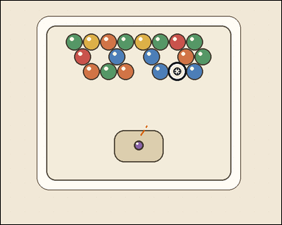 |  | task_games__bubble_shooter__pop_count | pop_count | bubble_shooter | pop_count | The image shows a close-packed bubble-shooter board with colored bubbles, a marked landing target, and a visible launcher area. A shot bubble attaches at the marked target. A same-color connected group pops when the placed bubble makes that group size at least three. Do not count the shot bubble or the marked target itself. How many existing board bubbles pop after the shown same-color shot? Answer format: set "answer" to the number of existing board bubbles that pop. Example JSON: {"answer":5} | {"answer": 0} | The image shows a close-packed bubble-shooter board with colored bubbles, a marked landing target, and a visible launcher area. A shot bubble attaches at the marked target. A same-color connected group pops when the placed bubble makes that group size at least three. Do not count the shot bubble or the marked target itself. How many existing board bubbles pop after the shown same-color shot? Annotation format: set "annotation" to an array of pixel-space center points [x, y] for the existing board bubbles that pop. Answer format: set "answer" to the number of existing board bubbles that pop. Example JSON: {"annotation":[[373,237],[419,237],[396,277],[442,277],[488,277]],"answer":5} | {"annotation": [], "answer": 0} | integer | point_set | 6795656866214 | games/bubble_shooter/task_games__bubble_shooter__pop_count/images/pop_count/0082.png | games/bubble_shooter/task_games__bubble_shooter__pop_count/data/pop_count/0082.json
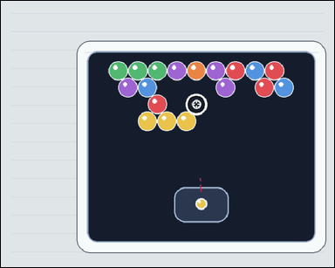 | 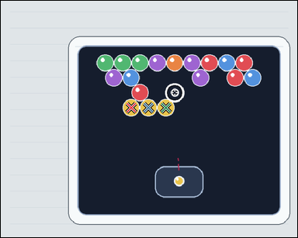 | task_games__bubble_shooter__pop_count | pop_count | bubble_shooter | pop_count | The scene shows a close-packed bubble-shooter board with colored bubbles, a marked landing target, and a visible launcher area. A shot bubble attaches at the marked target. A same-color connected group pops when the placed bubble makes that group size at least three. Do not count the shot bubble or the marked target itself. If the launcher bubble attaches at the marked target, how many existing board bubbles are removed? Format for the "answer" field: set "answer" to the number of existing board bubbles that pop. Example JSON: {"answer":5} | {"answer": 3} | The scene shows a close-packed bubble-shooter board with colored bubbles, a marked landing target, and a visible launcher area. A shot bubble attaches at the marked target. A same-color connected group pops when the placed bubble makes that group size at least three. Do not count the shot bubble or the marked target itself. If the launcher bubble attaches at the marked target, how many existing board bubbles are removed? Annotation format: set "annotation" to an array of pixel-space center points [x, y] for the existing board bubbles that pop. Answer format: set "answer" to the number of existing board bubbles that pop. Example JSON: {"annotation":[[373,237],[419,237],[396,277],[442,277],[488,277]],"answer":5} | {"annotation": [[335.08, 275.259], [379.687, 275.259], [424.295, 275.259]], "answer": 3} | integer | point_set | 73238079721328 | games/bubble_shooter/task_games__bubble_shooter__pop_count/images/pop_count/0070.png | games/bubble_shooter/task_games__bubble_shooter__pop_count/data/pop_count/0070.json
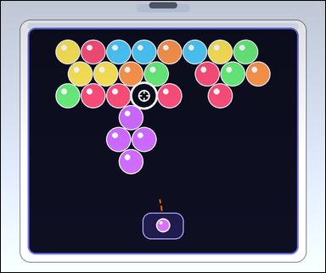 | 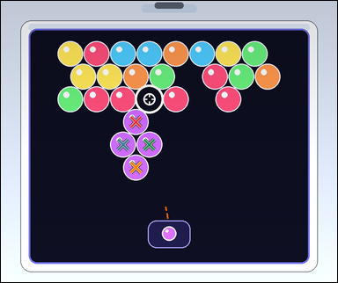 | task_games__bubble_shooter__pop_count | pop_count | bubble_shooter | pop_count | The image shows a close-packed bubble-shooter board with colored bubbles, a marked landing target, and a visible launcher area. A shot bubble attaches at the marked target. A same-color connected group pops when the placed bubble makes that group size at least three. Do not count the shot bubble or the marked target itself. If the launcher bubble attaches at the marked target, how many existing board bubbles are removed? Final answer format: set "answer" to the number of existing board bubbles that pop. Example JSON: {"answer":5} | {"answer": 4} | The image shows a close-packed bubble-shooter board with colored bubbles, a marked landing target, and a visible launcher area. A shot bubble attaches at the marked target. A same-color connected group pops when the placed bubble makes that group size at least three. Do not count the shot bubble or the marked target itself. If the launcher bubble attaches at the marked target, how many existing board bubbles are removed? Required annotation format: set "annotation" to an array of pixel-space center points [x, y] for the existing board bubbles that pop. Required answer format: set "answer" to the number of existing board bubbles that pop. Example JSON: {"annotation":[[373,237],[419,237],[396,277],[442,277],[488,277]],"answer":5} | {"annotation": [[393.473, 353.124], [356.062, 419.361], [432.884, 419.361], [393.473, 485.599]], "answer": 4} | integer | point_set | 89796198263716 | games/bubble_shooter/task_games__bubble_shooter__pop_count/images/pop_count/0099.png | games/bubble_shooter/task_games__bubble_shooter__pop_count/data/pop_count/0099.json
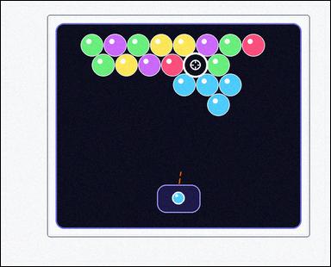 | 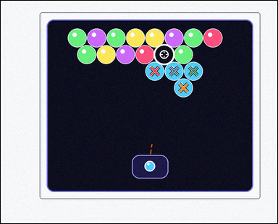 | task_games__bubble_shooter__pop_count | pop_count | bubble_shooter | pop_count | This scene shows a close-packed bubble-shooter board with colored bubbles, a marked landing target, and a visible launcher area. A shot bubble attaches at the marked target. A same-color connected group pops when the placed bubble makes that group size at least three. Do not count the shot bubble or the marked target itself. How many existing board bubbles pop after the shown same-color shot? Final answer format: set "answer" to the number of existing board bubbles that pop. Example JSON: {"answer":5} | {"answer": 4} | This scene shows a close-packed bubble-shooter board with colored bubbles, a marked landing target, and a visible launcher area. A shot bubble attaches at the marked target. A same-color connected group pops when the placed bubble makes that group size at least three. Do not count the shot bubble or the marked target itself. How many existing board bubbles pop after the shown same-color shot? Final answer format: set "answer" to the number of existing board bubbles that pop. Annotation format: set "annotation" to an array of pixel-space center points [x, y] for the existing board bubbles that pop. Example JSON: {"annotation":[[373,237],[419,237],[396,277],[442,277],[488,277]],"answer":5} | {"annotation": [[526.543, 241.111], [592.713, 241.111], [658.883, 241.111], [624.798, 298.124]], "answer": 4} | integer | point_set | 103598038133749 | games/bubble_shooter/task_games__bubble_shooter__pop_count/images/pop_count/0067.png | games/bubble_shooter/task_games__bubble_shooter__pop_count/data/pop_count/0067.json
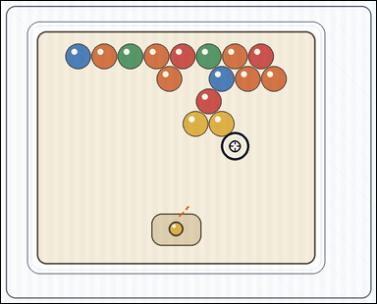 | 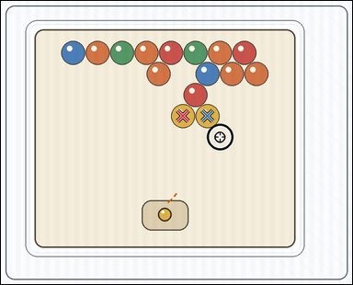 | task_games__bubble_shooter__pop_count | pop_count | bubble_shooter | pop_count | The image shows a close-packed bubble-shooter board with colored bubbles, a marked landing target, and a visible launcher area. A shot bubble attaches at the marked target. A same-color connected group pops when the placed bubble makes that group size at least three. Do not count the shot bubble or the marked target itself. If the launcher bubble attaches at the marked target, how many existing board bubbles are removed? Required answer format: set "answer" to the number of existing board bubbles that pop. Example JSON: {"answer":5} | {"answer": 2} | The image shows a close-packed bubble-shooter board with colored bubbles, a marked landing target, and a visible launcher area. A shot bubble attaches at the marked target. A same-color connected group pops when the placed bubble makes that group size at least three. Do not count the shot bubble or the marked target itself. If the launcher bubble attaches at the marked target, how many existing board bubbles are removed? Annotation format: set "annotation" to an array of pixel-space center points [x, y] for the existing board bubbles that pop. Answer format: set "answer" to the number of existing board bubbles that pop. Example JSON: {"annotation":[[373,237],[419,237],[396,277],[442,277],[488,277]],"answer":5} | {"annotation": [[483.78, 305.624], [548.821, 305.624]], "answer": 2} | integer | point_set | 218241528877063 | games/bubble_shooter/task_games__bubble_shooter__pop_count/images/pop_count/0028.png | games/bubble_shooter/task_games__bubble_shooter__pop_count/data/pop_count/0028.json
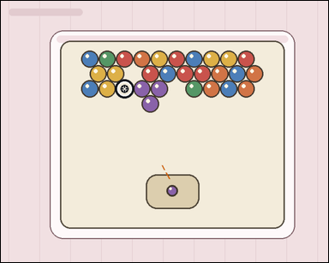 | 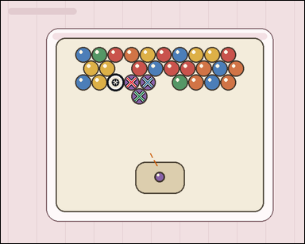 | task_games__bubble_shooter__pop_count | pop_count | bubble_shooter | pop_count | This scene shows a close-packed bubble-shooter board with colored bubbles, a marked landing target, and a visible launcher area. A shot bubble attaches at the marked target. A same-color connected group pops when the placed bubble makes that group size at least three. Do not count the shot bubble or the marked target itself. Report the number of existing board bubbles that pop from the marked shot. Required answer format: set "answer" to the number of existing board bubbles that pop. Example JSON: {"answer":5} | {"answer": 3} | This scene shows a close-packed bubble-shooter board with colored bubbles, a marked landing target, and a visible launcher area. A shot bubble attaches at the marked target. A same-color connected group pops when the placed bubble makes that group size at least three. Do not count the shot bubble or the marked target itself. Report the number of existing board bubbles that pop from the marked shot. Final answer format: set "answer" to the number of existing board bubbles that pop. Annotation format: set "annotation" to an array of pixel-space center points [x, y] for the existing board bubbles that pop. Example JSON: {"annotation":[[373,237],[419,237],[396,277],[442,277],[488,277]],"answer":5} | {"annotation": [[328.921, 205.548], [369.395, 205.548], [348.658, 240.453]], "answer": 3} | integer | point_set | 238365930540673 | games/bubble_shooter/task_games__bubble_shooter__pop_count/images/pop_count/0010.png | games/bubble_shooter/task_games__bubble_shooter__pop_count/data/pop_count/0010.json
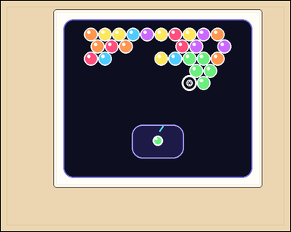 | 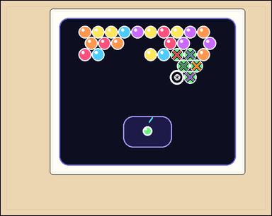 | task_games__bubble_shooter__pop_count | pop_count | bubble_shooter | pop_count | The scene shows a close-packed bubble-shooter board with colored bubbles, a marked landing target, and a visible launcher area. A shot bubble attaches at the marked target. A same-color connected group pops when the placed bubble makes that group size at least three. Do not count the shot bubble or the marked target itself. How many existing board bubbles pop after the shown same-color shot? Final answer format: set "answer" to the number of existing board bubbles that pop. Example JSON: {"answer":5} | {"answer": 5} | The scene shows a close-packed bubble-shooter board with colored bubbles, a marked landing target, and a visible launcher area. A shot bubble attaches at the marked target. A same-color connected group pops when the placed bubble makes that group size at least three. Do not count the shot bubble or the marked target itself. How many existing board bubbles pop after the shown same-color shot? Annotation format: set "annotation" to an array of pixel-space center points [x, y] for the existing board bubbles that pop. Answer format: set "answer" to the number of existing board bubbles that pop. Example JSON: {"annotation":[[373,237],[419,237],[396,277],[442,277],[488,277]],"answer":5} | {"annotation": [[449.748, 138.103], [483.302, 138.103], [466.025, 167.016], [499.579, 167.016], [483.302, 195.929]], "answer": 5} | integer | point_set | 386244007075758 | games/bubble_shooter/task_games__bubble_shooter__pop_count/images/pop_count/0013.png | games/bubble_shooter/task_games__bubble_shooter__pop_count/data/pop_count/0013.json
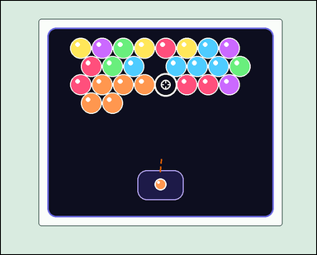 |  | task_games__bubble_shooter__pop_count | pop_count | bubble_shooter | pop_count | The image shows a close-packed bubble-shooter board with colored bubbles, a marked landing target, and a visible launcher area. A shot bubble attaches at the marked target. A same-color connected group pops when the placed bubble makes that group size at least three. Do not count the shot bubble or the marked target itself. How many existing board bubbles pop after the shown same-color shot? Final answer format: set "answer" to the number of existing board bubbles that pop. Example JSON: {"answer":5} | {"answer": 5} | The image shows a close-packed bubble-shooter board with colored bubbles, a marked landing target, and a visible launcher area. A shot bubble attaches at the marked target. A same-color connected group pops when the placed bubble makes that group size at least three. Do not count the shot bubble or the marked target itself. How many existing board bubbles pop after the shown same-color shot? Required annotation format: set "annotation" to an array of pixel-space center points [x, y] for the existing board bubbles that pop. Required answer format: set "answer" to the number of existing board bubbles that pop. Example JSON: {"annotation":[[373,237],[419,237],[396,277],[442,277],[488,277]],"answer":5} | {"annotation": [[272.136, 225.73], [329.269, 225.73], [386.401, 225.73], [243.07, 275.062], [300.202, 275.062]], "answer": 5} | integer | point_set | 442350333391823 | games/bubble_shooter/task_games__bubble_shooter__pop_count/images/pop_count/0035.png | games/bubble_shooter/task_games__bubble_shooter__pop_count/data/pop_count/0035.json
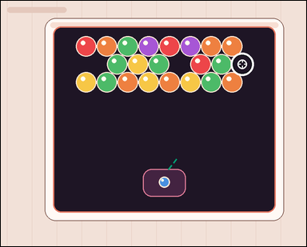 |  | task_games__bubble_shooter__pop_count | pop_count | bubble_shooter | pop_count | The visual shows a close-packed bubble-shooter board with colored bubbles, a marked landing target, and a visible launcher area. A shot bubble attaches at the marked target. A same-color connected group pops when the placed bubble makes that group size at least three. Do not count the shot bubble or the marked target itself. Report the number of existing board bubbles that pop from the marked shot. Required answer format: set "answer" to the number of existing board bubbles that pop. Example JSON: {"answer":5} | {"answer": 0} | The visual shows a close-packed bubble-shooter board with colored bubbles, a marked landing target, and a visible launcher area. A shot bubble attaches at the marked target. A same-color connected group pops when the placed bubble makes that group size at least three. Do not count the shot bubble or the marked target itself. Report the number of existing board bubbles that pop from the marked shot. Annotation format: set "annotation" to an array of pixel-space center points [x, y] for the existing board bubbles that pop. Answer format: set "answer" to the number of existing board bubbles that pop. Example JSON: {"annotation":[[373,237],[419,237],[396,277],[442,277],[488,277]],"answer":5} | {"annotation": [], "answer": 0} | integer | point_set | 571722770431901 | games/bubble_shooter/task_games__bubble_shooter__pop_count/images/pop_count/0023.png | games/bubble_shooter/task_games__bubble_shooter__pop_count/data/pop_count/0023.json
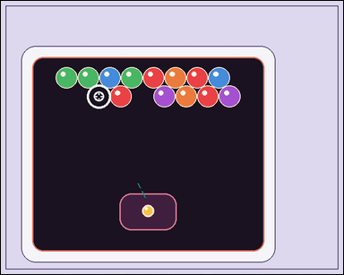 |  | task_games__bubble_shooter__pop_count | pop_count | bubble_shooter | pop_count | The scene shows a close-packed bubble-shooter board with colored bubbles, a marked landing target, and a visible launcher area. A shot bubble attaches at the marked target. A same-color connected group pops when the placed bubble makes that group size at least three. Do not count the shot bubble or the marked target itself. How many existing board bubbles pop after the shown same-color shot? Format for the "answer" field: set "answer" to the number of existing board bubbles that pop. Example JSON: {"answer":5} | {"answer": 0} | The scene shows a close-packed bubble-shooter board with colored bubbles, a marked landing target, and a visible launcher area. A shot bubble attaches at the marked target. A same-color connected group pops when the placed bubble makes that group size at least three. Do not count the shot bubble or the marked target itself. How many existing board bubbles pop after the shown same-color shot? Required annotation format: set "annotation" to an array of pixel-space center points [x, y] for the existing board bubbles that pop. Required answer format: set "answer" to the number of existing board bubbles that pop. Example JSON: {"annotation":[[373,237],[419,237],[396,277],[442,277],[488,277]],"answer":5} | {"annotation": [], "answer": 0} | integer | point_set | 734750033566920 | games/bubble_shooter/task_games__bubble_shooter__pop_count/images/pop_count/0024.png | games/bubble_shooter/task_games__bubble_shooter__pop_count/data/pop_count/0024.json
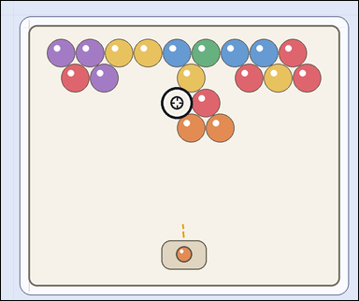 | 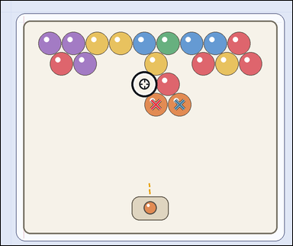 | task_games__bubble_shooter__pop_count | pop_count | bubble_shooter | pop_count | The figure shows a close-packed bubble-shooter board with colored bubbles, a marked landing target, and a visible launcher area. A shot bubble attaches at the marked target. A same-color connected group pops when the placed bubble makes that group size at least three. Do not count the shot bubble or the marked target itself. Report the number of existing board bubbles that pop from the marked shot. Format for the "answer" field: set "answer" to the number of existing board bubbles that pop. Example JSON: {"answer":5} | {"answer": 2} | The figure shows a close-packed bubble-shooter board with colored bubbles, a marked landing target, and a visible launcher area. A shot bubble attaches at the marked target. A same-color connected group pops when the placed bubble makes that group size at least three. Do not count the shot bubble or the marked target itself. Report the number of existing board bubbles that pop from the marked shot. Final answer format: set "answer" to the number of existing board bubbles that pop. Annotation format: set "annotation" to an array of pixel-space center points [x, y] for the existing board bubbles that pop. Example JSON: {"annotation":[[373,237],[419,237],[396,277],[442,277],[488,277]],"answer":5} | {"annotation": [[521.869, 348.348], [601.346, 348.348]], "answer": 2} | integer | point_set | 753014477202030 | games/bubble_shooter/task_games__bubble_shooter__pop_count/images/pop_count/0030.png | games/bubble_shooter/task_games__bubble_shooter__pop_count/data/pop_count/0030.json
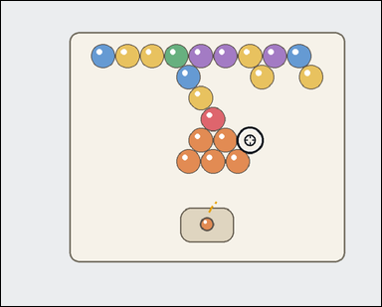 | 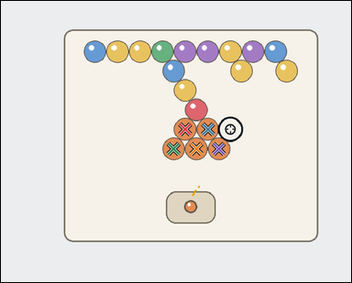 | task_games__bubble_shooter__pop_count | pop_count | bubble_shooter | pop_count | The image shows a close-packed bubble-shooter board with colored bubbles, a marked landing target, and a visible launcher area. A shot bubble attaches at the marked target. A same-color connected group pops when the placed bubble makes that group size at least three. Do not count the shot bubble or the marked target itself. Count the existing board bubbles that pop when the shown shot lands at the marked target. Answer format: set "answer" to the number of existing board bubbles that pop. Example JSON: {"answer":5} | {"answer": 5} | The image shows a close-packed bubble-shooter board with colored bubbles, a marked landing target, and a visible launcher area. A shot bubble attaches at the marked target. A same-color connected group pops when the placed bubble makes that group size at least three. Do not count the shot bubble or the marked target itself. Count the existing board bubbles that pop when the shown shot lands at the marked target. Final answer format: set "answer" to the number of existing board bubbles that pop. Annotation format: set "annotation" to an array of pixel-space center points [x, y] for the existing board bubbles that pop. Example JSON: {"annotation":[[373,237],[419,237],[396,277],[442,277],[488,277]],"answer":5} | {"annotation": [[460.64, 321.649], [517.08, 321.649], [431.92, 370.381], [488.36, 370.381], [544.8, 370.381]], "answer": 5} | integer | point_set | 805505028453641 | games/bubble_shooter/task_games__bubble_shooter__pop_count/images/pop_count/0005.png | games/bubble_shooter/task_games__bubble_shooter__pop_count/data/pop_count/0005.json
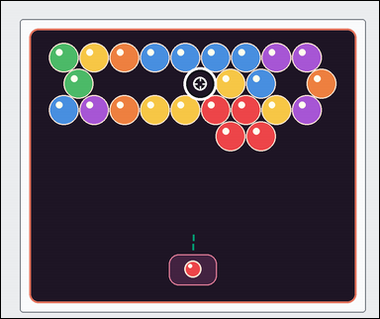 |  | task_games__bubble_shooter__pop_count | pop_count | bubble_shooter | pop_count | This scene shows a close-packed bubble-shooter board with colored bubbles, a marked landing target, and a visible launcher area. A shot bubble attaches at the marked target. A same-color connected group pops when the placed bubble makes that group size at least three. Do not count the shot bubble or the marked target itself. Report the number of existing board bubbles that pop from the marked shot. Final answer format: set "answer" to the number of existing board bubbles that pop. Example JSON: {"answer":5} | {"answer": 4} | This scene shows a close-packed bubble-shooter board with colored bubbles, a marked landing target, and a visible launcher area. A shot bubble attaches at the marked target. A same-color connected group pops when the placed bubble makes that group size at least three. Do not count the shot bubble or the marked target itself. Report the number of existing board bubbles that pop from the marked shot. Annotation format: set "annotation" to an array of pixel-space center points [x, y] for the existing board bubbles that pop. Answer format: set "answer" to the number of existing board bubbles that pop. Example JSON: {"annotation":[[373,237],[419,237],[396,277],[442,277],[488,277]],"answer":5} | {"annotation": [[556.558, 282.175], [635.301, 282.175], [594.929, 350.077], [673.673, 350.077]], "answer": 4} | integer | point_set | 866591039564270 | games/bubble_shooter/task_games__bubble_shooter__pop_count/images/pop_count/0049.png | games/bubble_shooter/task_games__bubble_shooter__pop_count/data/pop_count/0049.json
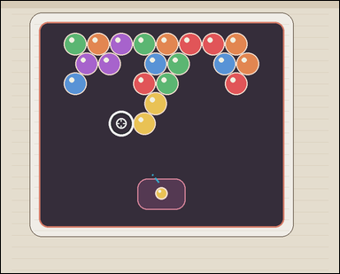 | 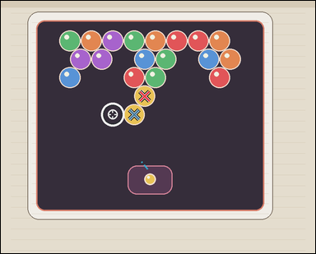 | task_games__bubble_shooter__pop_count | pop_count | bubble_shooter | pop_count | The figure shows a close-packed bubble-shooter board with colored bubbles, a marked landing target, and a visible launcher area. A shot bubble attaches at the marked target. A same-color connected group pops when the placed bubble makes that group size at least three. Do not count the shot bubble or the marked target itself. How many existing board bubbles pop after the shown same-color shot? Final answer format: set "answer" to the number of existing board bubbles that pop. Example JSON: {"answer":5} | {"answer": 2} | The figure shows a close-packed bubble-shooter board with colored bubbles, a marked landing target, and a visible launcher area. A shot bubble attaches at the marked target. A same-color connected group pops when the placed bubble makes that group size at least three. Do not count the shot bubble or the marked target itself. How many existing board bubbles pop after the shown same-color shot? Annotation format: set "annotation" to an array of pixel-space center points [x, y] for the existing board bubbles that pop. Answer format: set "answer" to the number of existing board bubbles that pop. Example JSON: {"annotation":[[373,237],[419,237],[396,277],[442,277],[488,277]],"answer":5} | {"annotation": [[399.402, 265.062], [370.206, 316.351]], "answer": 2} | integer | point_set | 964865659547921 | games/bubble_shooter/task_games__bubble_shooter__pop_count/images/pop_count/0078.png | games/bubble_shooter/task_games__bubble_shooter__pop_count/data/pop_count/0078.json
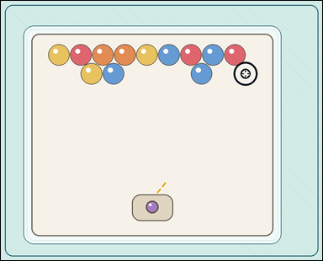 |  | task_games__bubble_shooter__pop_count | pop_count | bubble_shooter | pop_count | The visual shows a close-packed bubble-shooter board with colored bubbles, a marked landing target, and a visible launcher area. A shot bubble attaches at the marked target. A same-color connected group pops when the placed bubble makes that group size at least three. Do not count the shot bubble or the marked target itself. Count the existing board bubbles that pop when the shown shot lands at the marked target. Required answer format: set "answer" to the number of existing board bubbles that pop. Example JSON: {"answer":5} | {"answer": 0} | The visual shows a close-packed bubble-shooter board with colored bubbles, a marked landing target, and a visible launcher area. A shot bubble attaches at the marked target. A same-color connected group pops when the placed bubble makes that group size at least three. Do not count the shot bubble or the marked target itself. Count the existing board bubbles that pop when the shown shot lands at the marked target. Annotation format: set "annotation" to an array of pixel-space center points [x, y] for the existing board bubbles that pop. Answer format: set "answer" to the number of existing board bubbles that pop. Example JSON: {"annotation":[[373,237],[419,237],[396,277],[442,277],[488,277]],"answer":5} | {"annotation": [], "answer": 0} | integer | point_set | 1.0662358955E+15 | games/bubble_shooter/task_games__bubble_shooter__pop_count/images/pop_count/0016.png | games/bubble_shooter/task_games__bubble_shooter__pop_count/data/pop_count/0016.json
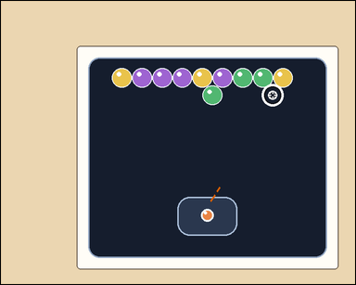 |  | task_games__bubble_shooter__pop_count | pop_count | bubble_shooter | pop_count | The image shows a close-packed bubble-shooter board with colored bubbles, a marked landing target, and a visible launcher area. A shot bubble attaches at the marked target. A same-color connected group pops when the placed bubble makes that group size at least three. Do not count the shot bubble or the marked target itself. Count the existing board bubbles that pop when the shown shot lands at the marked target. Required answer format: set "answer" to the number of existing board bubbles that pop. Example JSON: {"answer":5} | {"answer": 0} | The image shows a close-packed bubble-shooter board with colored bubbles, a marked landing target, and a visible launcher area. A shot bubble attaches at the marked target. A same-color connected group pops when the placed bubble makes that group size at least three. Do not count the shot bubble or the marked target itself. Count the existing board bubbles that pop when the shown shot lands at the marked target. Annotation format: set "annotation" to an array of pixel-space center points [x, y] for the existing board bubbles that pop. Answer format: set "answer" to the number of existing board bubbles that pop. Example JSON: {"annotation":[[373,237],[419,237],[396,277],[442,277],[488,277]],"answer":5} | {"annotation": [], "answer": 0} | integer | point_set | 1.1121664689E+15 | games/bubble_shooter/task_games__bubble_shooter__pop_count/images/pop_count/0008.png | games/bubble_shooter/task_games__bubble_shooter__pop_count/data/pop_count/0008.json
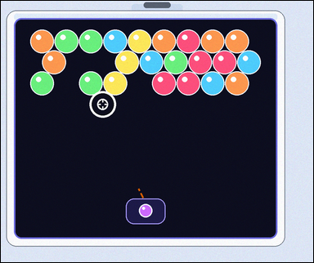 |  | task_games__bubble_shooter__pop_count | pop_count | bubble_shooter | pop_count | The figure shows a close-packed bubble-shooter board with colored bubbles, a marked landing target, and a visible launcher area. A shot bubble attaches at the marked target. A same-color connected group pops when the placed bubble makes that group size at least three. Do not count the shot bubble or the marked target itself. Count the existing board bubbles that pop when the shown shot lands at the marked target. Required answer format: set "answer" to the number of existing board bubbles that pop. Example JSON: {"answer":5} | {"answer": 0} | The figure shows a close-packed bubble-shooter board with colored bubbles, a marked landing target, and a visible launcher area. A shot bubble attaches at the marked target. A same-color connected group pops when the placed bubble makes that group size at least three. Do not count the shot bubble or the marked target itself. Count the existing board bubbles that pop when the shown shot lands at the marked target. Annotation format: set "annotation" to an array of pixel-space center points [x, y] for the existing board bubbles that pop. Answer format: set "answer" to the number of existing board bubbles that pop. Example JSON: {"annotation":[[373,237],[419,237],[396,277],[442,277],[488,277]],"answer":5} | {"annotation": [], "answer": 0} | integer | point_set | 1.1357807199E+15 | games/bubble_shooter/task_games__bubble_shooter__pop_count/images/pop_count/0091.png | games/bubble_shooter/task_games__bubble_shooter__pop_count/data/pop_count/0091.json
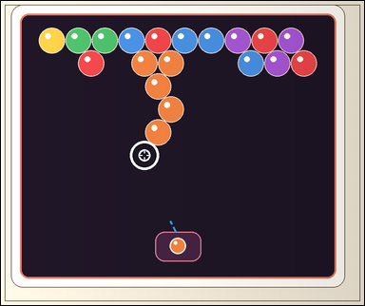 | 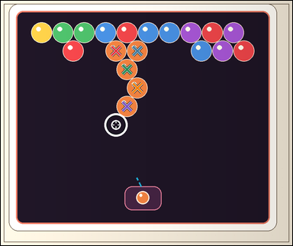 | task_games__bubble_shooter__pop_count | pop_count | bubble_shooter | pop_count | The figure shows a close-packed bubble-shooter board with colored bubbles, a marked landing target, and a visible launcher area. A shot bubble attaches at the marked target. A same-color connected group pops when the placed bubble makes that group size at least three. Do not count the shot bubble or the marked target itself. If the launcher bubble attaches at the marked target, how many existing board bubbles are removed? Final answer format: set "answer" to the number of existing board bubbles that pop. Example JSON: {"answer":5} | {"answer": 5} | The figure shows a close-packed bubble-shooter board with colored bubbles, a marked landing target, and a visible launcher area. A shot bubble attaches at the marked target. A same-color connected group pops when the placed bubble makes that group size at least three. Do not count the shot bubble or the marked target itself. If the launcher bubble attaches at the marked target, how many existing board bubbles are removed? Annotation format: set "annotation" to an array of pixel-space center points [x, y] for the existing board bubbles that pop. Answer format: set "answer" to the number of existing board bubbles that pop. Example JSON: {"annotation":[[373,237],[419,237],[396,277],[442,277],[488,277]],"answer":5} | {"annotation": [[387.308, 168.725], [459.062, 168.725], [424.185, 230.573], [459.062, 292.422], [424.185, 354.27]], "answer": 5} | integer | point_set | 1.2600505158E+15 | games/bubble_shooter/task_games__bubble_shooter__pop_count/images/pop_count/0034.png | games/bubble_shooter/task_games__bubble_shooter__pop_count/data/pop_count/0034.json
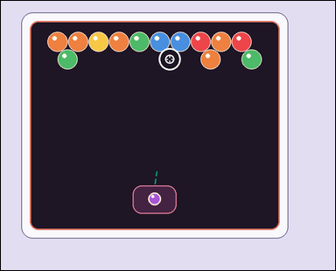 |  | task_games__bubble_shooter__pop_count | pop_count | bubble_shooter | pop_count | The visual shows a close-packed bubble-shooter board with colored bubbles, a marked landing target, and a visible launcher area. A shot bubble attaches at the marked target. A same-color connected group pops when the placed bubble makes that group size at least three. Do not count the shot bubble or the marked target itself. The launcher bubble lands at the marked target. How many existing board bubbles pop? Format for the "answer" field: set "answer" to the number of existing board bubbles that pop. Example JSON: {"answer":5} | {"answer": 0} | The visual shows a close-packed bubble-shooter board with colored bubbles, a marked landing target, and a visible launcher area. A shot bubble attaches at the marked target. A same-color connected group pops when the placed bubble makes that group size at least three. Do not count the shot bubble or the marked target itself. The launcher bubble lands at the marked target. How many existing board bubbles pop? Required annotation format: set "annotation" to an array of pixel-space center points [x, y] for the existing board bubbles that pop. Required answer format: set "answer" to the number of existing board bubbles that pop. Example JSON: {"annotation":[[373,237],[419,237],[396,277],[442,277],[488,277]],"answer":5} | {"annotation": [], "answer": 0} | integer | point_set | 1.3407586744E+15 | games/bubble_shooter/task_games__bubble_shooter__pop_count/images/pop_count/0096.png | games/bubble_shooter/task_games__bubble_shooter__pop_count/data/pop_count/0096.json
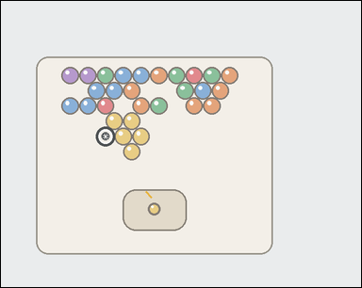 | 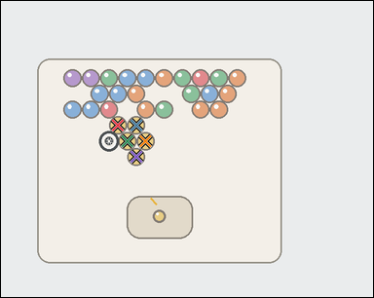 | task_games__bubble_shooter__pop_count | pop_count | bubble_shooter | pop_count | The visual shows a close-packed bubble-shooter board with colored bubbles, a marked landing target, and a visible launcher area. A shot bubble attaches at the marked target. A same-color connected group pops when the placed bubble makes that group size at least three. Do not count the shot bubble or the marked target itself. Report the number of existing board bubbles that pop from the marked shot. Format for the "answer" field: set "answer" to the number of existing board bubbles that pop. Example JSON: {"answer":5} | {"answer": 5} | The visual shows a close-packed bubble-shooter board with colored bubbles, a marked landing target, and a visible launcher area. A shot bubble attaches at the marked target. A same-color connected group pops when the placed bubble makes that group size at least three. Do not count the shot bubble or the marked target itself. Report the number of existing board bubbles that pop from the marked shot. Annotation format: set "annotation" to an array of pixel-space center points [x, y] for the existing board bubbles that pop. Answer format: set "answer" to the number of existing board bubbles that pop. Example JSON: {"annotation":[[373,237],[419,237],[396,277],[442,277],[488,277]],"answer":5} | {"annotation": [[219.833, 233.659], [254.241, 233.659], [237.537, 263.311], [271.944, 263.311], [254.241, 292.963]], "answer": 5} | integer | point_set | 1.4564269077E+15 | games/bubble_shooter/task_games__bubble_shooter__pop_count/images/pop_count/0019.png | games/bubble_shooter/task_games__bubble_shooter__pop_count/data/pop_count/0019.json
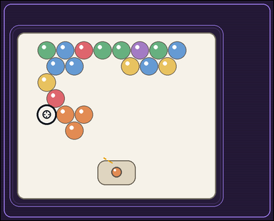 | 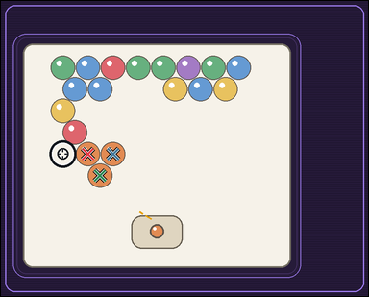 | task_games__bubble_shooter__pop_count | pop_count | bubble_shooter | pop_count | The image shows a close-packed bubble-shooter board with colored bubbles, a marked landing target, and a visible launcher area. A shot bubble attaches at the marked target. A same-color connected group pops when the placed bubble makes that group size at least three. Do not count the shot bubble or the marked target itself. If the launcher bubble attaches at the marked target, how many existing board bubbles are removed? Final answer format: set "answer" to the number of existing board bubbles that pop. Example JSON: {"answer":5} | {"answer": 3} | The image shows a close-packed bubble-shooter board with colored bubbles, a marked landing target, and a visible launcher area. A shot bubble attaches at the marked target. A same-color connected group pops when the placed bubble makes that group size at least three. Do not count the shot bubble or the marked target itself. If the launcher bubble attaches at the marked target, how many existing board bubbles are removed? Annotation format: set "annotation" to an array of pixel-space center points [x, y] for the existing board bubbles that pop. Answer format: set "answer" to the number of existing board bubbles that pop. Example JSON: {"annotation":[[373,237],[419,237],[396,277],[442,277],[488,277]],"answer":5} | {"annotation": [[210.622, 370.385], [271.305, 370.385], [239.964, 422.645]], "answer": 3} | integer | point_set | 1.526252859E+15 | games/bubble_shooter/task_games__bubble_shooter__pop_count/images/pop_count/0073.png | games/bubble_shooter/task_games__bubble_shooter__pop_count/data/pop_count/0073.json
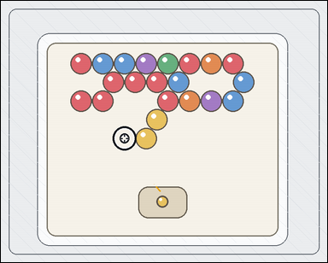 | 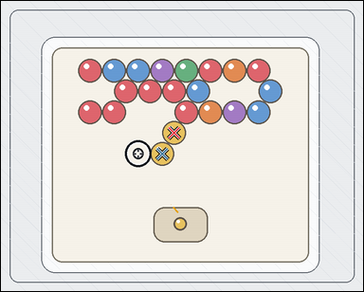 | task_games__bubble_shooter__pop_count | pop_count | bubble_shooter | pop_count | This scene shows a close-packed bubble-shooter board with colored bubbles, a marked landing target, and a visible launcher area. A shot bubble attaches at the marked target. A same-color connected group pops when the placed bubble makes that group size at least three. Do not count the shot bubble or the marked target itself. Report the number of existing board bubbles that pop from the marked shot. Final answer format: set "answer" to the number of existing board bubbles that pop. Example JSON: {"answer":5} | {"answer": 2} | This scene shows a close-packed bubble-shooter board with colored bubbles, a marked landing target, and a visible launcher area. A shot bubble attaches at the marked target. A same-color connected group pops when the placed bubble makes that group size at least three. Do not count the shot bubble or the marked target itself. Report the number of existing board bubbles that pop from the marked shot. Annotation format: set "annotation" to an array of pixel-space center points [x, y] for the existing board bubbles that pop. Answer format: set "answer" to the number of existing board bubbles that pop. Example JSON: {"annotation":[[373,237],[419,237],[396,277],[442,277],[488,277]],"answer":5} | {"annotation": [[395.491, 301.562], [368.474, 349.077]], "answer": 2} | integer | point_set | 1.6833531873E+15 | games/bubble_shooter/task_games__bubble_shooter__pop_count/images/pop_count/0052.png | games/bubble_shooter/task_games__bubble_shooter__pop_count/data/pop_count/0052.json
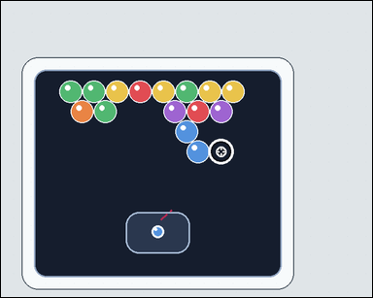 | 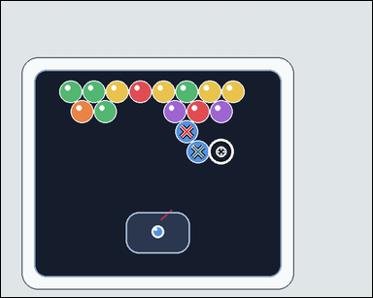 | task_games__bubble_shooter__pop_count | pop_count | bubble_shooter | pop_count | The figure shows a close-packed bubble-shooter board with colored bubbles, a marked landing target, and a visible launcher area. A shot bubble attaches at the marked target. A same-color connected group pops when the placed bubble makes that group size at least three. Do not count the shot bubble or the marked target itself. If the launcher bubble attaches at the marked target, how many existing board bubbles are removed? Answer field: set "answer" to the number of existing board bubbles that pop. Example JSON: {"answer":5} | {"answer": 2} | The figure shows a close-packed bubble-shooter board with colored bubbles, a marked landing target, and a visible launcher area. A shot bubble attaches at the marked target. A same-color connected group pops when the placed bubble makes that group size at least three. Do not count the shot bubble or the marked target itself. If the launcher bubble attaches at the marked target, how many existing board bubbles are removed? Annotation format: set "annotation" to an array of pixel-space center points [x, y] for the existing board bubbles that pop. Answer format: set "answer" to the number of existing board bubbles that pop. Example JSON: {"annotation":[[373,237],[419,237],[396,277],[442,277],[488,277]],"answer":5} | {"annotation": [[360.39, 253.454], [382.346, 292.204]], "answer": 2} | integer | point_set | 1.8158110082E+15 | games/bubble_shooter/task_games__bubble_shooter__pop_count/images/pop_count/0041.png | games/bubble_shooter/task_games__bubble_shooter__pop_count/data/pop_count/0041.json
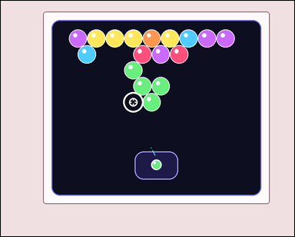 | 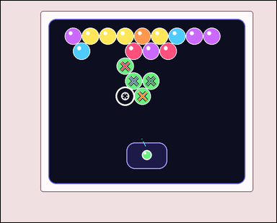 | task_games__bubble_shooter__pop_count | pop_count | bubble_shooter | pop_count | The figure shows a close-packed bubble-shooter board with colored bubbles, a marked landing target, and a visible launcher area. A shot bubble attaches at the marked target. A same-color connected group pops when the placed bubble makes that group size at least three. Do not count the shot bubble or the marked target itself. The launcher bubble lands at the marked target. How many existing board bubbles pop? Answer field: set "answer" to the number of existing board bubbles that pop. Example JSON: {"answer":5} | {"answer": 4} | The figure shows a close-packed bubble-shooter board with colored bubbles, a marked landing target, and a visible launcher area. A shot bubble attaches at the marked target. A same-color connected group pops when the placed bubble makes that group size at least three. Do not count the shot bubble or the marked target itself. The launcher bubble lands at the marked target. How many existing board bubbles pop? Required annotation format: set "annotation" to an array of pixel-space center points [x, y] for the existing board bubbles that pop. Required answer format: set "answer" to the number of existing board bubbles that pop. Example JSON: {"annotation":[[373,237],[419,237],[396,277],[442,277],[488,277]],"answer":5} | {"annotation": [[379.281, 199.004], [405.169, 244.562], [457.944, 244.562], [432.056, 290.121]], "answer": 4} | integer | point_set | 1.9034535037E+15 | games/bubble_shooter/task_games__bubble_shooter__pop_count/images/pop_count/0042.png | games/bubble_shooter/task_games__bubble_shooter__pop_count/data/pop_count/0042.json
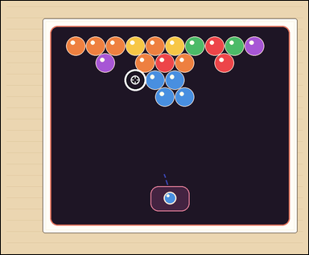 | 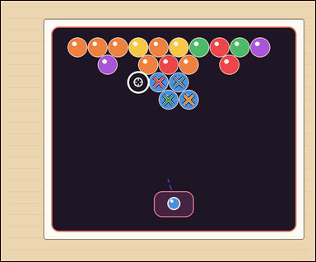 | task_games__bubble_shooter__pop_count | pop_count | bubble_shooter | pop_count | The visual shows a close-packed bubble-shooter board with colored bubbles, a marked landing target, and a visible launcher area. A shot bubble attaches at the marked target. A same-color connected group pops when the placed bubble makes that group size at least three. Do not count the shot bubble or the marked target itself. If the launcher bubble attaches at the marked target, how many existing board bubbles are removed? Final answer format: set "answer" to the number of existing board bubbles that pop. Example JSON: {"answer":5} | {"answer": 4} | The visual shows a close-packed bubble-shooter board with colored bubbles, a marked landing target, and a visible launcher area. A shot bubble attaches at the marked target. A same-color connected group pops when the placed bubble makes that group size at least three. Do not count the shot bubble or the marked target itself. If the launcher bubble attaches at the marked target, how many existing board bubbles are removed? Annotation format: set "annotation" to an array of pixel-space center points [x, y] for the existing board bubbles that pop. Answer format: set "answer" to the number of existing board bubbles that pop. Example JSON: {"annotation":[[373,237],[419,237],[396,277],[442,277],[488,277]],"answer":5} | {"annotation": [[492.012, 253.744], [555.329, 253.744], [522.671, 308.286], [585.988, 308.286]], "answer": 4} | integer | point_set | 1.9256964891E+15 | games/bubble_shooter/task_games__bubble_shooter__pop_count/images/pop_count/0021.png | games/bubble_shooter/task_games__bubble_shooter__pop_count/data/pop_count/0021.json
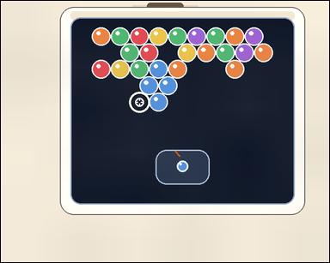 |  | task_games__bubble_shooter__pop_count | pop_count | bubble_shooter | pop_count | The image shows a close-packed bubble-shooter board with colored bubbles, a marked landing target, and a visible launcher area. A shot bubble attaches at the marked target. A same-color connected group pops when the placed bubble makes that group size at least three. Do not count the shot bubble or the marked target itself. The launcher bubble lands at the marked target. How many existing board bubbles pop? Answer format: set "answer" to the number of existing board bubbles that pop. Example JSON: {"answer":5} | {"answer": 4} | The image shows a close-packed bubble-shooter board with colored bubbles, a marked landing target, and a visible launcher area. A shot bubble attaches at the marked target. A same-color connected group pops when the placed bubble makes that group size at least three. Do not count the shot bubble or the marked target itself. The launcher bubble lands at the marked target. How many existing board bubbles pop? Annotation format: set "annotation" to an array of pixel-space center points [x, y] for the existing board bubbles that pop. Answer format: set "answer" to the number of existing board bubbles that pop. Example JSON: {"annotation":[[373,237],[419,237],[396,277],[442,277],[488,277]],"answer":5} | {"annotation": [[363.276, 158.371], [340.787, 196.312], [384.766, 196.312], [363.276, 234.253]], "answer": 4} | integer | point_set | 1.9486134971E+15 | games/bubble_shooter/task_games__bubble_shooter__pop_count/images/pop_count/0071.png | games/bubble_shooter/task_games__bubble_shooter__pop_count/data/pop_count/0071.json
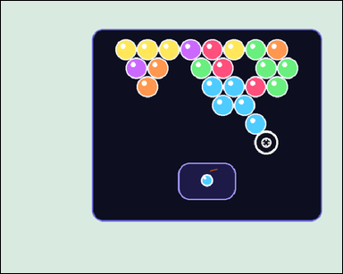 | 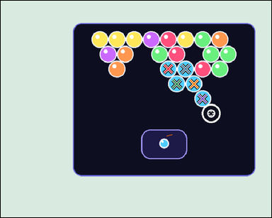 | task_games__bubble_shooter__pop_count | pop_count | bubble_shooter | pop_count | The figure shows a close-packed bubble-shooter board with colored bubbles, a marked landing target, and a visible launcher area. A shot bubble attaches at the marked target. A same-color connected group pops when the placed bubble makes that group size at least three. Do not count the shot bubble or the marked target itself. Count the existing board bubbles that pop when the shown shot lands at the marked target. Answer field: set "answer" to the number of existing board bubbles that pop. Example JSON: {"answer":5} | {"answer": 5} | The figure shows a close-packed bubble-shooter board with colored bubbles, a marked landing target, and a visible launcher area. A shot bubble attaches at the marked target. A same-color connected group pops when the placed bubble makes that group size at least three. Do not count the shot bubble or the marked target itself. Count the existing board bubbles that pop when the shown shot lands at the marked target. Annotation format: set "annotation" to an array of pixel-space center points [x, y] for the existing board bubbles that pop. Answer format: set "answer" to the number of existing board bubbles that pop. Example JSON: {"annotation":[[373,237],[419,237],[396,277],[442,277],[488,277]],"answer":5} | {"annotation": [[454.87, 184.955], [501.351, 184.955], [477.61, 225.062], [524.091, 225.062], [547.831, 265.169]], "answer": 5} | integer | point_set | 1.96893371E+15 | games/bubble_shooter/task_games__bubble_shooter__pop_count/images/pop_count/0048.png | games/bubble_shooter/task_games__bubble_shooter__pop_count/data/pop_count/0048.json
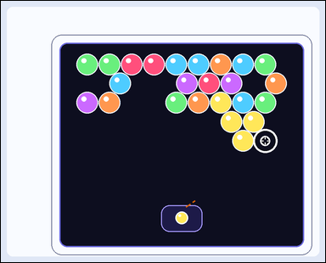 | 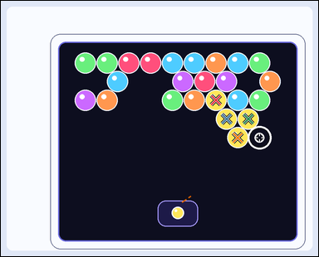 | task_games__bubble_shooter__pop_count | pop_count | bubble_shooter | pop_count | This scene shows a close-packed bubble-shooter board with colored bubbles, a marked landing target, and a visible launcher area. A shot bubble attaches at the marked target. A same-color connected group pops when the placed bubble makes that group size at least three. Do not count the shot bubble or the marked target itself. Report the number of existing board bubbles that pop from the marked shot. Format for the "answer" field: set "answer" to the number of existing board bubbles that pop. Example JSON: {"answer":5} | {"answer": 4} | This scene shows a close-packed bubble-shooter board with colored bubbles, a marked landing target, and a visible launcher area. A shot bubble attaches at the marked target. A same-color connected group pops when the placed bubble makes that group size at least three. Do not count the shot bubble or the marked target itself. Report the number of existing board bubbles that pop from the marked shot. Required annotation format: set "annotation" to an array of pixel-space center points [x, y] for the existing board bubbles that pop. Required answer format: set "answer" to the number of existing board bubbles that pop. Example JSON: {"annotation":[[373,237],[419,237],[396,277],[442,277],[488,277]],"answer":5} | {"annotation": [[661.777, 306.998], [694.285, 364.744], [761.301, 364.744], [728.793, 422.489]], "answer": 4} | integer | point_set | 1.9731655259E+15 | games/bubble_shooter/task_games__bubble_shooter__pop_count/images/pop_count/0015.png | games/bubble_shooter/task_games__bubble_shooter__pop_count/data/pop_count/0015.json
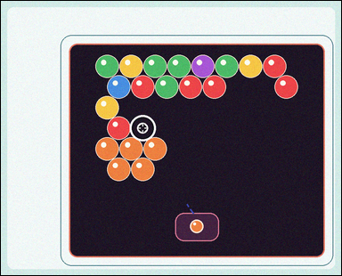 | 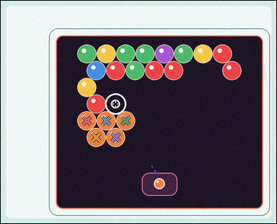 | task_games__bubble_shooter__pop_count | pop_count | bubble_shooter | pop_count | The visual shows a close-packed bubble-shooter board with colored bubbles, a marked landing target, and a visible launcher area. A shot bubble attaches at the marked target. A same-color connected group pops when the placed bubble makes that group size at least three. Do not count the shot bubble or the marked target itself. Report the number of existing board bubbles that pop from the marked shot. Answer field: set "answer" to the number of existing board bubbles that pop. Example JSON: {"answer":5} | {"answer": 5} | The visual shows a close-packed bubble-shooter board with colored bubbles, a marked landing target, and a visible launcher area. A shot bubble attaches at the marked target. A same-color connected group pops when the placed bubble makes that group size at least three. Do not count the shot bubble or the marked target itself. Report the number of existing board bubbles that pop from the marked shot. Annotation format: set "annotation" to an array of pixel-space center points [x, y] for the existing board bubbles that pop. Answer format: set "answer" to the number of existing board bubbles that pop. Example JSON: {"annotation":[[373,237],[419,237],[396,277],[442,277],[488,277]],"answer":5} | {"annotation": [[301.205, 420.174], [369.15, 420.174], [437.096, 420.174], [334.177, 478.725], [402.123, 478.725]], "answer": 5} | integer | point_set | 2.0313159121E+15 | games/bubble_shooter/task_games__bubble_shooter__pop_count/images/pop_count/0001.png | games/bubble_shooter/task_games__bubble_shooter__pop_count/data/pop_count/0001.json
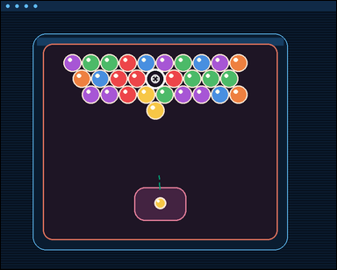 | 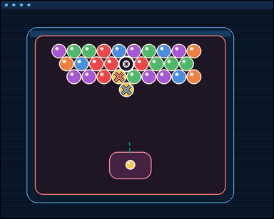 | task_games__bubble_shooter__pop_count | pop_count | bubble_shooter | pop_count | The scene shows a close-packed bubble-shooter board with colored bubbles, a marked landing target, and a visible launcher area. A shot bubble attaches at the marked target. A same-color connected group pops when the placed bubble makes that group size at least three. Do not count the shot bubble or the marked target itself. Report the number of existing board bubbles that pop from the marked shot. Format for the "answer" field: set "answer" to the number of existing board bubbles that pop. Example JSON: {"answer":5} | {"answer": 2} | The scene shows a close-packed bubble-shooter board with colored bubbles, a marked landing target, and a visible launcher area. A shot bubble attaches at the marked target. A same-color connected group pops when the placed bubble makes that group size at least three. Do not count the shot bubble or the marked target itself. Report the number of existing board bubbles that pop from the marked shot. Required annotation format: set "annotation" to an array of pixel-space center points [x, y] for the existing board bubbles that pop. Required answer format: set "answer" to the number of existing board bubbles that pop. Example JSON: {"annotation":[[373,237],[419,237],[396,277],[442,277],[488,277]],"answer":5} | {"annotation": [[347.264, 224.376], [368.755, 262.319]], "answer": 2} | integer | point_set | 2.0373137328E+15 | games/bubble_shooter/task_games__bubble_shooter__pop_count/images/pop_count/0055.png | games/bubble_shooter/task_games__bubble_shooter__pop_count/data/pop_count/0055.json
 |  | task_games__bubble_shooter__pop_count | pop_count | bubble_shooter | pop_count | The image shows a close-packed bubble-shooter board with colored bubbles, a marked landing target, and a visible launcher area. A shot bubble attaches at the marked target. A same-color connected group pops when the placed bubble makes that group size at least three. Do not count the shot bubble or the marked target itself. How many existing board bubbles pop after the shown same-color shot? Required answer format: set "answer" to the number of existing board bubbles that pop. Example JSON: {"answer":5} | {"answer": 2} | The image shows a close-packed bubble-shooter board with colored bubbles, a marked landing target, and a visible launcher area. A shot bubble attaches at the marked target. A same-color connected group pops when the placed bubble makes that group size at least three. Do not count the shot bubble or the marked target itself. How many existing board bubbles pop after the shown same-color shot? Final answer format: set "answer" to the number of existing board bubbles that pop. Annotation format: set "annotation" to an array of pixel-space center points [x, y] for the existing board bubbles that pop. Example JSON: {"annotation":[[373,237],[419,237],[396,277],[442,277],[488,277]],"answer":5} | {"annotation": [[259.224, 193.199], [291.925, 193.199]], "answer": 2} | integer | point_set | 2.1292385292E+15 | games/bubble_shooter/task_games__bubble_shooter__pop_count/images/pop_count/0051.png | games/bubble_shooter/task_games__bubble_shooter__pop_count/data/pop_count/0051.json
 |  | task_games__bubble_shooter__pop_count | pop_count | bubble_shooter | pop_count | The scene shows a close-packed bubble-shooter board with colored bubbles, a marked landing target, and a visible launcher area. A shot bubble attaches at the marked target. A same-color connected group pops when the placed bubble makes that group size at least three. Do not count the shot bubble or the marked target itself. If the launcher bubble attaches at the marked target, how many existing board bubbles are removed? Final answer format: set "answer" to the number of existing board bubbles that pop. Example JSON: {"answer":5} | {"answer": 5} | The scene shows a close-packed bubble-shooter board with colored bubbles, a marked landing target, and a visible launcher area. A shot bubble attaches at the marked target. A same-color connected group pops when the placed bubble makes that group size at least three. Do not count the shot bubble or the marked target itself. If the launcher bubble attaches at the marked target, how many existing board bubbles are removed? Required annotation format: set "annotation" to an array of pixel-space center points [x, y] for the existing board bubbles that pop. Required answer format: set "answer" to the number of existing board bubbles that pop. Example JSON: {"annotation":[[373,237],[419,237],[396,277],[442,277],[488,277]],"answer":5} | {"annotation": [[270.948, 148.068], [248.127, 188.315], [294.769, 188.315], [270.948, 228.562], [317.59, 228.562]], "answer": 5} | integer | point_set | 2.2092745445E+15 | games/bubble_shooter/task_games__bubble_shooter__pop_count/images/pop_count/0004.png | games/bubble_shooter/task_games__bubble_shooter__pop_count/data/pop_count/0004.json
 |  | task_games__bubble_shooter__pop_count | pop_count | bubble_shooter | pop_count | This scene shows a close-packed bubble-shooter board with colored bubbles, a marked landing target, and a visible launcher area. A shot bubble attaches at the marked target. A same-color connected group pops when the placed bubble makes that group size at least three. Do not count the shot bubble or the marked target itself. Report the number of existing board bubbles that pop from the marked shot. Answer format: set "answer" to the number of existing board bubbles that pop. Example JSON: {"answer":5} | {"answer": 4} | This scene shows a close-packed bubble-shooter board with colored bubbles, a marked landing target, and a visible launcher area. A shot bubble attaches at the marked target. A same-color connected group pops when the placed bubble makes that group size at least three. Do not count the shot bubble or the marked target itself. Report the number of existing board bubbles that pop from the marked shot. Annotation format: set "annotation" to an array of pixel-space center points [x, y] for the existing board bubbles that pop. Answer format: set "answer" to the number of existing board bubbles that pop. Example JSON: {"annotation":[[373,237],[419,237],[396,277],[442,277],[488,277]],"answer":5} | {"annotation": [[445.477, 139.945], [481.781, 139.945], [464.129, 171.239], [481.781, 202.532]], "answer": 4} | integer | point_set | 2.2295258254E+15 | games/bubble_shooter/task_games__bubble_shooter__pop_count/images/pop_count/0006.png | games/bubble_shooter/task_games__bubble_shooter__pop_count/data/pop_count/0006.json
 |  | task_games__bubble_shooter__pop_count | pop_count | bubble_shooter | pop_count | The figure shows a close-packed bubble-shooter board with colored bubbles, a marked landing target, and a visible launcher area. A shot bubble attaches at the marked target. A same-color connected group pops when the placed bubble makes that group size at least three. Do not count the shot bubble or the marked target itself. If the launcher bubble attaches at the marked target, how many existing board bubbles are removed? Answer field: set "answer" to the number of existing board bubbles that pop. Example JSON: {"answer":5} | {"answer": 2} | The figure shows a close-packed bubble-shooter board with colored bubbles, a marked landing target, and a visible launcher area. A shot bubble attaches at the marked target. A same-color connected group pops when the placed bubble makes that group size at least three. Do not count the shot bubble or the marked target itself. If the launcher bubble attaches at the marked target, how many existing board bubbles are removed? Required annotation format: set "annotation" to an array of pixel-space center points [x, y] for the existing board bubbles that pop. Required answer format: set "answer" to the number of existing board bubbles that pop. Example JSON: {"annotation":[[373,237],[419,237],[396,277],[442,277],[488,277]],"answer":5} | {"annotation": [[373.687, 223.291], [409.603, 223.291]], "answer": 2} | integer | point_set | 2.2637690883E+15 | games/bubble_shooter/task_games__bubble_shooter__pop_count/images/pop_count/0088.png | games/bubble_shooter/task_games__bubble_shooter__pop_count/data/pop_count/0088.json
 |  | task_games__bubble_shooter__pop_count | pop_count | bubble_shooter | pop_count | The scene shows a close-packed bubble-shooter board with colored bubbles, a marked landing target, and a visible launcher area. A shot bubble attaches at the marked target. A same-color connected group pops when the placed bubble makes that group size at least three. Do not count the shot bubble or the marked target itself. The launcher bubble lands at the marked target. How many existing board bubbles pop? Answer format: set "answer" to the number of existing board bubbles that pop. Example JSON: {"answer":5} | {"answer": 3} | The scene shows a close-packed bubble-shooter board with colored bubbles, a marked landing target, and a visible launcher area. A shot bubble attaches at the marked target. A same-color connected group pops when the placed bubble makes that group size at least three. Do not count the shot bubble or the marked target itself. The launcher bubble lands at the marked target. How many existing board bubbles pop? Annotation format: set "annotation" to an array of pixel-space center points [x, y] for the existing board bubbles that pop. Answer format: set "answer" to the number of existing board bubbles that pop. Example JSON: {"annotation":[[373,237],[419,237],[396,277],[442,277],[488,277]],"answer":5} | {"annotation": [[305.012, 335.064], [356.007, 335.064], [330.009, 379.081]], "answer": 3} | integer | point_set | 2.3014221722E+15 | games/bubble_shooter/task_games__bubble_shooter__pop_count/images/pop_count/0072.png | games/bubble_shooter/task_games__bubble_shooter__pop_count/data/pop_count/0072.json
 |  | task_games__bubble_shooter__pop_count | pop_count | bubble_shooter | pop_count | The figure shows a close-packed bubble-shooter board with colored bubbles, a marked landing target, and a visible launcher area. A shot bubble attaches at the marked target. A same-color connected group pops when the placed bubble makes that group size at least three. Do not count the shot bubble or the marked target itself. Report the number of existing board bubbles that pop from the marked shot. Answer format: set "answer" to the number of existing board bubbles that pop. Example JSON: {"answer":5} | {"answer": 3} | The figure shows a close-packed bubble-shooter board with colored bubbles, a marked landing target, and a visible launcher area. A shot bubble attaches at the marked target. A same-color connected group pops when the placed bubble makes that group size at least three. Do not count the shot bubble or the marked target itself. Report the number of existing board bubbles that pop from the marked shot. Annotation format: set "annotation" to an array of pixel-space center points [x, y] for the existing board bubbles that pop. Answer format: set "answer" to the number of existing board bubbles that pop. Example JSON: {"annotation":[[373,237],[419,237],[396,277],[442,277],[488,277]],"answer":5} | {"annotation": [[354.047, 255.469], [413.209, 255.469], [441.791, 306.413]], "answer": 3} | integer | point_set | 2.4092423269E+15 | games/bubble_shooter/task_games__bubble_shooter__pop_count/images/pop_count/0068.png | games/bubble_shooter/task_games__bubble_shooter__pop_count/data/pop_count/0068.json
 |  | task_games__bubble_shooter__pop_count | pop_count | bubble_shooter | pop_count | The visual shows a close-packed bubble-shooter board with colored bubbles, a marked landing target, and a visible launcher area. A shot bubble attaches at the marked target. A same-color connected group pops when the placed bubble makes that group size at least three. Do not count the shot bubble or the marked target itself. The launcher bubble lands at the marked target. How many existing board bubbles pop? Final answer format: set "answer" to the number of existing board bubbles that pop. Example JSON: {"answer":5} | {"answer": 0} | The visual shows a close-packed bubble-shooter board with colored bubbles, a marked landing target, and a visible launcher area. A shot bubble attaches at the marked target. A same-color connected group pops when the placed bubble makes that group size at least three. Do not count the shot bubble or the marked target itself. The launcher bubble lands at the marked target. How many existing board bubbles pop? Annotation format: set "annotation" to an array of pixel-space center points [x, y] for the existing board bubbles that pop. Answer format: set "answer" to the number of existing board bubbles that pop. Example JSON: {"annotation":[[373,237],[419,237],[396,277],[442,277],[488,277]],"answer":5} | {"annotation": [], "answer": 0} | integer | point_set | 2.6314577468E+15 | games/bubble_shooter/task_games__bubble_shooter__pop_count/images/pop_count/0002.png | games/bubble_shooter/task_games__bubble_shooter__pop_count/data/pop_count/0002.json
 |  | task_games__bubble_shooter__pop_count | pop_count | bubble_shooter | pop_count | The scene shows a close-packed bubble-shooter board with colored bubbles, a marked landing target, and a visible launcher area. A shot bubble attaches at the marked target. A same-color connected group pops when the placed bubble makes that group size at least three. Do not count the shot bubble or the marked target itself. If the launcher bubble attaches at the marked target, how many existing board bubbles are removed? Final answer format: set "answer" to the number of existing board bubbles that pop. Example JSON: {"answer":5} | {"answer": 5} | The scene shows a close-packed bubble-shooter board with colored bubbles, a marked landing target, and a visible launcher area. A shot bubble attaches at the marked target. A same-color connected group pops when the placed bubble makes that group size at least three. Do not count the shot bubble or the marked target itself. If the launcher bubble attaches at the marked target, how many existing board bubbles are removed? Annotation format: set "annotation" to an array of pixel-space center points [x, y] for the existing board bubbles that pop. Answer format: set "answer" to the number of existing board bubbles that pop. Example JSON: {"annotation":[[373,237],[419,237],[396,277],[442,277],[488,277]],"answer":5} | {"annotation": [[447.866, 291.249], [490.331, 291.249], [532.795, 291.249], [468.598, 327.879], [511.063, 327.879]], "answer": 5} | integer | point_set | 2.6868091127E+15 | games/bubble_shooter/task_games__bubble_shooter__pop_count/images/pop_count/0020.png | games/bubble_shooter/task_games__bubble_shooter__pop_count/data/pop_count/0020.json
 |  | task_games__bubble_shooter__pop_count | pop_count | bubble_shooter | pop_count | The image shows a close-packed bubble-shooter board with colored bubbles, a marked landing target, and a visible launcher area. A shot bubble attaches at the marked target. A same-color connected group pops when the placed bubble makes that group size at least three. Do not count the shot bubble or the marked target itself. The launcher bubble lands at the marked target. How many existing board bubbles pop? Answer format: set "answer" to the number of existing board bubbles that pop. Example JSON: {"answer":5} | {"answer": 5} | The image shows a close-packed bubble-shooter board with colored bubbles, a marked landing target, and a visible launcher area. A shot bubble attaches at the marked target. A same-color connected group pops when the placed bubble makes that group size at least three. Do not count the shot bubble or the marked target itself. The launcher bubble lands at the marked target. How many existing board bubbles pop? Final answer format: set "answer" to the number of existing board bubbles that pop. Annotation format: set "annotation" to an array of pixel-space center points [x, y] for the existing board bubbles that pop. Example JSON: {"annotation":[[373,237],[419,237],[396,277],[442,277],[488,277]],"answer":5} | {"annotation": [[394.925, 112.036], [415.075, 145.924], [394.925, 179.811], [415.075, 213.698], [454.373, 213.698]], "answer": 5} | integer | point_set | 2.8188856922E+15 | games/bubble_shooter/task_games__bubble_shooter__pop_count/images/pop_count/0031.png | games/bubble_shooter/task_games__bubble_shooter__pop_count/data/pop_count/0031.json
 |  | task_games__bubble_shooter__pop_count | pop_count | bubble_shooter | pop_count | The scene shows a close-packed bubble-shooter board with colored bubbles, a marked landing target, and a visible launcher area. A shot bubble attaches at the marked target. A same-color connected group pops when the placed bubble makes that group size at least three. Do not count the shot bubble or the marked target itself. Count the existing board bubbles that pop when the shown shot lands at the marked target. Required answer format: set "answer" to the number of existing board bubbles that pop. Example JSON: {"answer":5} | {"answer": 4} | The scene shows a close-packed bubble-shooter board with colored bubbles, a marked landing target, and a visible launcher area. A shot bubble attaches at the marked target. A same-color connected group pops when the placed bubble makes that group size at least three. Do not count the shot bubble or the marked target itself. Count the existing board bubbles that pop when the shown shot lands at the marked target. Annotation format: set "annotation" to an array of pixel-space center points [x, y] for the existing board bubbles that pop. Answer format: set "answer" to the number of existing board bubbles that pop. Example JSON: {"annotation":[[373,237],[419,237],[396,277],[442,277],[488,277]],"answer":5} | {"annotation": [[439.262, 222.872], [408.366, 274.36], [439.262, 325.848], [499.052, 325.848]], "answer": 4} | integer | point_set | 2.9482820122E+15 | games/bubble_shooter/task_games__bubble_shooter__pop_count/images/pop_count/0081.png | games/bubble_shooter/task_games__bubble_shooter__pop_count/data/pop_count/0081.json
 |  | task_games__bubble_shooter__pop_count | pop_count | bubble_shooter | pop_count | The figure shows a close-packed bubble-shooter board with colored bubbles, a marked landing target, and a visible launcher area. A shot bubble attaches at the marked target. A same-color connected group pops when the placed bubble makes that group size at least three. Do not count the shot bubble or the marked target itself. How many existing board bubbles pop after the shown same-color shot? Format for the "answer" field: set "answer" to the number of existing board bubbles that pop. Example JSON: {"answer":5} | {"answer": 3} | The figure shows a close-packed bubble-shooter board with colored bubbles, a marked landing target, and a visible launcher area. A shot bubble attaches at the marked target. A same-color connected group pops when the placed bubble makes that group size at least three. Do not count the shot bubble or the marked target itself. How many existing board bubbles pop after the shown same-color shot? Required annotation format: set "annotation" to an array of pixel-space center points [x, y] for the existing board bubbles that pop. Required answer format: set "answer" to the number of existing board bubbles that pop. Example JSON: {"annotation":[[373,237],[419,237],[396,277],[442,277],[488,277]],"answer":5} | {"annotation": [[529.893, 276.707], [563.68, 336.668], [633.254, 336.668]], "answer": 3} | integer | point_set | 3.1220749246E+15 | games/bubble_shooter/task_games__bubble_shooter__pop_count/images/pop_count/0032.png | games/bubble_shooter/task_games__bubble_shooter__pop_count/data/pop_count/0032.json
 |  | task_games__bubble_shooter__pop_count | pop_count | bubble_shooter | pop_count | The scene shows a close-packed bubble-shooter board with colored bubbles, a marked landing target, and a visible launcher area. A shot bubble attaches at the marked target. A same-color connected group pops when the placed bubble makes that group size at least three. Do not count the shot bubble or the marked target itself. How many existing board bubbles pop after the shown same-color shot? Answer format: set "answer" to the number of existing board bubbles that pop. Example JSON: {"answer":5} | {"answer": 4} | The scene shows a close-packed bubble-shooter board with colored bubbles, a marked landing target, and a visible launcher area. A shot bubble attaches at the marked target. A same-color connected group pops when the placed bubble makes that group size at least three. Do not count the shot bubble or the marked target itself. How many existing board bubbles pop after the shown same-color shot? Annotation format: set "annotation" to an array of pixel-space center points [x, y] for the existing board bubbles that pop. Answer format: set "answer" to the number of existing board bubbles that pop. Example JSON: {"annotation":[[373,237],[419,237],[396,277],[442,277],[488,277]],"answer":5} | {"annotation": [[337.3, 333.062], [397.66, 333.062], [367.98, 385.189], [397.66, 437.317]], "answer": 4} | integer | point_set | 3.1580357746E+15 | games/bubble_shooter/task_games__bubble_shooter__pop_count/images/pop_count/0059.png | games/bubble_shooter/task_games__bubble_shooter__pop_count/data/pop_count/0059.json
 |  | task_games__bubble_shooter__pop_count | pop_count | bubble_shooter | pop_count | The image shows a close-packed bubble-shooter board with colored bubbles, a marked landing target, and a visible launcher area. A shot bubble attaches at the marked target. A same-color connected group pops when the placed bubble makes that group size at least three. Do not count the shot bubble or the marked target itself. Count the existing board bubbles that pop when the shown shot lands at the marked target. Required answer format: set "answer" to the number of existing board bubbles that pop. Example JSON: {"answer":5} | {"answer": 5} | The image shows a close-packed bubble-shooter board with colored bubbles, a marked landing target, and a visible launcher area. A shot bubble attaches at the marked target. A same-color connected group pops when the placed bubble makes that group size at least three. Do not count the shot bubble or the marked target itself. Count the existing board bubbles that pop when the shown shot lands at the marked target. Required annotation format: set "annotation" to an array of pixel-space center points [x, y] for the existing board bubbles that pop. Required answer format: set "answer" to the number of existing board bubbles that pop. Example JSON: {"annotation":[[373,237],[419,237],[396,277],[442,277],[488,277]],"answer":5} | {"annotation": [[552.242, 336.986], [619.635, 336.986], [584.938, 395.058], [652.332, 395.058], [719.725, 395.058]], "answer": 5} | integer | point_set | 3.2189389718E+15 | games/bubble_shooter/task_games__bubble_shooter__pop_count/images/pop_count/0026.png | games/bubble_shooter/task_games__bubble_shooter__pop_count/data/pop_count/0026.json
 |  | task_games__bubble_shooter__pop_count | pop_count | bubble_shooter | pop_count | The visual shows a close-packed bubble-shooter board with colored bubbles, a marked landing target, and a visible launcher area. A shot bubble attaches at the marked target. A same-color connected group pops when the placed bubble makes that group size at least three. Do not count the shot bubble or the marked target itself. If the launcher bubble attaches at the marked target, how many existing board bubbles are removed? Answer field: set "answer" to the number of existing board bubbles that pop. Example JSON: {"answer":5} | {"answer": 4} | The visual shows a close-packed bubble-shooter board with colored bubbles, a marked landing target, and a visible launcher area. A shot bubble attaches at the marked target. A same-color connected group pops when the placed bubble makes that group size at least three. Do not count the shot bubble or the marked target itself. If the launcher bubble attaches at the marked target, how many existing board bubbles are removed? Required annotation format: set "annotation" to an array of pixel-space center points [x, y] for the existing board bubbles that pop. Required answer format: set "answer" to the number of existing board bubbles that pop. Example JSON: {"annotation":[[373,237],[419,237],[396,277],[442,277],[488,277]],"answer":5} | {"annotation": [[488.326, 331.124], [368.283, 400.716], [448.979, 400.716], [326.936, 470.308]], "answer": 4} | integer | point_set | 3.355630124E+15 | games/bubble_shooter/task_games__bubble_shooter__pop_count/images/pop_count/0065.png | games/bubble_shooter/task_games__bubble_shooter__pop_count/data/pop_count/0065.json
 |  | task_games__bubble_shooter__pop_count | pop_count | bubble_shooter | pop_count | The figure shows a close-packed bubble-shooter board with colored bubbles, a marked landing target, and a visible launcher area. A shot bubble attaches at the marked target. A same-color connected group pops when the placed bubble makes that group size at least three. Do not count the shot bubble or the marked target itself. Count the existing board bubbles that pop when the shown shot lands at the marked target. Required answer format: set "answer" to the number of existing board bubbles that pop. Example JSON: {"answer":5} | {"answer": 5} | The figure shows a close-packed bubble-shooter board with colored bubbles, a marked landing target, and a visible launcher area. A shot bubble attaches at the marked target. A same-color connected group pops when the placed bubble makes that group size at least three. Do not count the shot bubble or the marked target itself. Count the existing board bubbles that pop when the shown shot lands at the marked target. Annotation format: set "annotation" to an array of pixel-space center points [x, y] for the existing board bubbles that pop. Answer format: set "answer" to the number of existing board bubbles that pop. Example JSON: {"annotation":[[373,237],[419,237],[396,277],[442,277],[488,277]],"answer":5} | {"annotation": [[629.976, 290.818], [692.82, 290.818], [755.664, 290.818], [599.555, 344.95], [662.398, 344.95]], "answer": 5} | integer | point_set | 3.4590567202E+15 | games/bubble_shooter/task_games__bubble_shooter__pop_count/images/pop_count/0075.png | games/bubble_shooter/task_games__bubble_shooter__pop_count/data/pop_count/0075.json
 |  | task_games__bubble_shooter__pop_count | pop_count | bubble_shooter | pop_count | The image shows a close-packed bubble-shooter board with colored bubbles, a marked landing target, and a visible launcher area. A shot bubble attaches at the marked target. A same-color connected group pops when the placed bubble makes that group size at least three. Do not count the shot bubble or the marked target itself. How many existing board bubbles pop after the shown same-color shot? Final answer format: set "answer" to the number of existing board bubbles that pop. Example JSON: {"answer":5} | {"answer": 4} | The image shows a close-packed bubble-shooter board with colored bubbles, a marked landing target, and a visible launcher area. A shot bubble attaches at the marked target. A same-color connected group pops when the placed bubble makes that group size at least three. Do not count the shot bubble or the marked target itself. How many existing board bubbles pop after the shown same-color shot? Required annotation format: set "annotation" to an array of pixel-space center points [x, y] for the existing board bubbles that pop. Required answer format: set "answer" to the number of existing board bubbles that pop. Example JSON: {"annotation":[[373,237],[419,237],[396,277],[442,277],[488,277]],"answer":5} | {"annotation": [[427.341, 231.687], [482.214, 231.687], [399.405, 279.062], [454.277, 279.062]], "answer": 4} | integer | point_set | 3.7157142268E+15 | games/bubble_shooter/task_games__bubble_shooter__pop_count/images/pop_count/0079.png | games/bubble_shooter/task_games__bubble_shooter__pop_count/data/pop_count/0079.json
 |  | task_games__bubble_shooter__pop_count | pop_count | bubble_shooter | pop_count | The scene shows a close-packed bubble-shooter board with colored bubbles, a marked landing target, and a visible launcher area. A shot bubble attaches at the marked target. A same-color connected group pops when the placed bubble makes that group size at least three. Do not count the shot bubble or the marked target itself. If the launcher bubble attaches at the marked target, how many existing board bubbles are removed? Answer field: set "answer" to the number of existing board bubbles that pop. Example JSON: {"answer":5} | {"answer": 2} | The scene shows a close-packed bubble-shooter board with colored bubbles, a marked landing target, and a visible launcher area. A shot bubble attaches at the marked target. A same-color connected group pops when the placed bubble makes that group size at least three. Do not count the shot bubble or the marked target itself. If the launcher bubble attaches at the marked target, how many existing board bubbles are removed? Annotation format: set "annotation" to an array of pixel-space center points [x, y] for the existing board bubbles that pop. Answer format: set "answer" to the number of existing board bubbles that pop. Example JSON: {"annotation":[[373,237],[419,237],[396,277],[442,277],[488,277]],"answer":5} | {"annotation": [[617.262, 329.907], [583.759, 389.376]], "answer": 2} | integer | point_set | 3.7269828874E+15 | games/bubble_shooter/task_games__bubble_shooter__pop_count/images/pop_count/0038.png | games/bubble_shooter/task_games__bubble_shooter__pop_count/data/pop_count/0038.json
 |  | task_games__bubble_shooter__pop_count | pop_count | bubble_shooter | pop_count | The figure shows a close-packed bubble-shooter board with colored bubbles, a marked landing target, and a visible launcher area. A shot bubble attaches at the marked target. A same-color connected group pops when the placed bubble makes that group size at least three. Do not count the shot bubble or the marked target itself. The launcher bubble lands at the marked target. How many existing board bubbles pop? Answer field: set "answer" to the number of existing board bubbles that pop. Example JSON: {"answer":5} | {"answer": 2} | The figure shows a close-packed bubble-shooter board with colored bubbles, a marked landing target, and a visible launcher area. A shot bubble attaches at the marked target. A same-color connected group pops when the placed bubble makes that group size at least three. Do not count the shot bubble or the marked target itself. The launcher bubble lands at the marked target. How many existing board bubbles pop? Annotation format: set "annotation" to an array of pixel-space center points [x, y] for the existing board bubbles that pop. Answer format: set "answer" to the number of existing board bubbles that pop. Example JSON: {"annotation":[[373,237],[419,237],[396,277],[442,277],[488,277]],"answer":5} | {"annotation": [[366.309, 370.098], [402.649, 431.017]], "answer": 2} | integer | point_set | 4.0805849402E+15 | games/bubble_shooter/task_games__bubble_shooter__pop_count/images/pop_count/0037.png | games/bubble_shooter/task_games__bubble_shooter__pop_count/data/pop_count/0037.json
 |  | task_games__bubble_shooter__pop_count | pop_count | bubble_shooter | pop_count | The visual shows a close-packed bubble-shooter board with colored bubbles, a marked landing target, and a visible launcher area. A shot bubble attaches at the marked target. A same-color connected group pops when the placed bubble makes that group size at least three. Do not count the shot bubble or the marked target itself. The launcher bubble lands at the marked target. How many existing board bubbles pop? Required answer format: set "answer" to the number of existing board bubbles that pop. Example JSON: {"answer":5} | {"answer": 3} | The visual shows a close-packed bubble-shooter board with colored bubbles, a marked landing target, and a visible launcher area. A shot bubble attaches at the marked target. A same-color connected group pops when the placed bubble makes that group size at least three. Do not count the shot bubble or the marked target itself. The launcher bubble lands at the marked target. How many existing board bubbles pop? Required annotation format: set "annotation" to an array of pixel-space center points [x, y] for the existing board bubbles that pop. Required answer format: set "answer" to the number of existing board bubbles that pop. Example JSON: {"annotation":[[373,237],[419,237],[396,277],[442,277],[488,277]],"answer":5} | {"annotation": [[445.614, 353.033], [413.059, 410.859], [480.168, 410.859]], "answer": 3} | integer | point_set | 4.14932882E+15 | games/bubble_shooter/task_games__bubble_shooter__pop_count/images/pop_count/0076.png | games/bubble_shooter/task_games__bubble_shooter__pop_count/data/pop_count/0076.json
 |  | task_games__bubble_shooter__pop_count | pop_count | bubble_shooter | pop_count | This scene shows a close-packed bubble-shooter board with colored bubbles, a marked landing target, and a visible launcher area. A shot bubble attaches at the marked target. A same-color connected group pops when the placed bubble makes that group size at least three. Do not count the shot bubble or the marked target itself. How many existing board bubbles pop after the shown same-color shot? Required answer format: set "answer" to the number of existing board bubbles that pop. Example JSON: {"answer":5} | {"answer": 0} | This scene shows a close-packed bubble-shooter board with colored bubbles, a marked landing target, and a visible launcher area. A shot bubble attaches at the marked target. A same-color connected group pops when the placed bubble makes that group size at least three. Do not count the shot bubble or the marked target itself. How many existing board bubbles pop after the shown same-color shot? Annotation format: set "annotation" to an array of pixel-space center points [x, y] for the existing board bubbles that pop. Answer format: set "answer" to the number of existing board bubbles that pop. Example JSON: {"annotation":[[373,237],[419,237],[396,277],[442,277],[488,277]],"answer":5} | {"annotation": [], "answer": 0} | integer | point_set | 4.209628698E+15 | games/bubble_shooter/task_games__bubble_shooter__pop_count/images/pop_count/0064.png | games/bubble_shooter/task_games__bubble_shooter__pop_count/data/pop_count/0064.json
 |  | task_games__bubble_shooter__pop_count | pop_count | bubble_shooter | pop_count | This scene shows a close-packed bubble-shooter board with colored bubbles, a marked landing target, and a visible launcher area. A shot bubble attaches at the marked target. A same-color connected group pops when the placed bubble makes that group size at least three. Do not count the shot bubble or the marked target itself. How many existing board bubbles pop after the shown same-color shot? Required answer format: set "answer" to the number of existing board bubbles that pop. Example JSON: {"answer":5} | {"answer": 2} | This scene shows a close-packed bubble-shooter board with colored bubbles, a marked landing target, and a visible launcher area. A shot bubble attaches at the marked target. A same-color connected group pops when the placed bubble makes that group size at least three. Do not count the shot bubble or the marked target itself. How many existing board bubbles pop after the shown same-color shot? Final answer format: set "answer" to the number of existing board bubbles that pop. Annotation format: set "annotation" to an array of pixel-space center points [x, y] for the existing board bubbles that pop. Example JSON: {"annotation":[[373,237],[419,237],[396,277],[442,277],[488,277]],"answer":5} | {"annotation": [[600.783, 216.987], [664.21, 216.987]], "answer": 2} | integer | point_set | 4.4678019929E+15 | games/bubble_shooter/task_games__bubble_shooter__pop_count/images/pop_count/0097.png | games/bubble_shooter/task_games__bubble_shooter__pop_count/data/pop_count/0097.json
 |  | task_games__bubble_shooter__pop_count | pop_count | bubble_shooter | pop_count | The visual shows a close-packed bubble-shooter board with colored bubbles, a marked landing target, and a visible launcher area. A shot bubble attaches at the marked target. A same-color connected group pops when the placed bubble makes that group size at least three. Do not count the shot bubble or the marked target itself. Report the number of existing board bubbles that pop from the marked shot. Answer field: set "answer" to the number of existing board bubbles that pop. Example JSON: {"answer":5} | {"answer": 4} | The visual shows a close-packed bubble-shooter board with colored bubbles, a marked landing target, and a visible launcher area. A shot bubble attaches at the marked target. A same-color connected group pops when the placed bubble makes that group size at least three. Do not count the shot bubble or the marked target itself. Report the number of existing board bubbles that pop from the marked shot. Annotation format: set "annotation" to an array of pixel-space center points [x, y] for the existing board bubbles that pop. Answer format: set "answer" to the number of existing board bubbles that pop. Example JSON: {"annotation":[[373,237],[419,237],[396,277],[442,277],[488,277]],"answer":5} | {"annotation": [[268.116, 277.336], [307.907, 277.336], [288.512, 311.65], [328.302, 311.65]], "answer": 4} | integer | point_set | 4.5248308108E+15 | games/bubble_shooter/task_games__bubble_shooter__pop_count/images/pop_count/0047.png | games/bubble_shooter/task_games__bubble_shooter__pop_count/data/pop_count/0047.json
 |  | task_games__bubble_shooter__pop_count | pop_count | bubble_shooter | pop_count | The scene shows a close-packed bubble-shooter board with colored bubbles, a marked landing target, and a visible launcher area. A shot bubble attaches at the marked target. A same-color connected group pops when the placed bubble makes that group size at least three. Do not count the shot bubble or the marked target itself. Report the number of existing board bubbles that pop from the marked shot. Format for the "answer" field: set "answer" to the number of existing board bubbles that pop. Example JSON: {"answer":5} | {"answer": 2} | The scene shows a close-packed bubble-shooter board with colored bubbles, a marked landing target, and a visible launcher area. A shot bubble attaches at the marked target. A same-color connected group pops when the placed bubble makes that group size at least three. Do not count the shot bubble or the marked target itself. Report the number of existing board bubbles that pop from the marked shot. Required annotation format: set "annotation" to an array of pixel-space center points [x, y] for the existing board bubbles that pop. Required answer format: set "answer" to the number of existing board bubbles that pop. Example JSON: {"annotation":[[373,237],[419,237],[396,277],[442,277],[488,277]],"answer":5} | {"annotation": [[659.749, 235.491], [631.403, 282.564]], "answer": 2} | integer | point_set | 4.6342088621E+15 | games/bubble_shooter/task_games__bubble_shooter__pop_count/images/pop_count/0007.png | games/bubble_shooter/task_games__bubble_shooter__pop_count/data/pop_count/0007.json
 |  | task_games__bubble_shooter__pop_count | pop_count | bubble_shooter | pop_count | The visual shows a close-packed bubble-shooter board with colored bubbles, a marked landing target, and a visible launcher area. A shot bubble attaches at the marked target. A same-color connected group pops when the placed bubble makes that group size at least three. Do not count the shot bubble or the marked target itself. How many existing board bubbles pop after the shown same-color shot? Format for the "answer" field: set "answer" to the number of existing board bubbles that pop. Example JSON: {"answer":5} | {"answer": 3} | The visual shows a close-packed bubble-shooter board with colored bubbles, a marked landing target, and a visible launcher area. A shot bubble attaches at the marked target. A same-color connected group pops when the placed bubble makes that group size at least three. Do not count the shot bubble or the marked target itself. How many existing board bubbles pop after the shown same-color shot? Required annotation format: set "annotation" to an array of pixel-space center points [x, y] for the existing board bubbles that pop. Required answer format: set "answer" to the number of existing board bubbles that pop. Example JSON: {"annotation":[[373,237],[419,237],[396,277],[442,277],[488,277]],"answer":5} | {"annotation": [[390.912, 190.418], [373.088, 222.011], [409.737, 222.011]], "answer": 3} | integer | point_set | 4.8086897159E+15 | games/bubble_shooter/task_games__bubble_shooter__pop_count/images/pop_count/0033.png | games/bubble_shooter/task_games__bubble_shooter__pop_count/data/pop_count/0033.json
 |  | task_games__bubble_shooter__pop_count | pop_count | bubble_shooter | pop_count | This scene shows a close-packed bubble-shooter board with colored bubbles, a marked landing target, and a visible launcher area. A shot bubble attaches at the marked target. A same-color connected group pops when the placed bubble makes that group size at least three. Do not count the shot bubble or the marked target itself. The launcher bubble lands at the marked target. How many existing board bubbles pop? Required answer format: set "answer" to the number of existing board bubbles that pop. Example JSON: {"answer":5} | {"answer": 3} | This scene shows a close-packed bubble-shooter board with colored bubbles, a marked landing target, and a visible launcher area. A shot bubble attaches at the marked target. A same-color connected group pops when the placed bubble makes that group size at least three. Do not count the shot bubble or the marked target itself. The launcher bubble lands at the marked target. How many existing board bubbles pop? Annotation format: set "annotation" to an array of pixel-space center points [x, y] for the existing board bubbles that pop. Answer format: set "answer" to the number of existing board bubbles that pop. Example JSON: {"annotation":[[373,237],[419,237],[396,277],[442,277],[488,277]],"answer":5} | {"annotation": [[515.043, 363.137], [581.213, 363.137], [647.383, 363.137]], "answer": 3} | integer | point_set | 4.8132995758E+15 | games/bubble_shooter/task_games__bubble_shooter__pop_count/images/pop_count/0014.png | games/bubble_shooter/task_games__bubble_shooter__pop_count/data/pop_count/0014.json
 |  | task_games__bubble_shooter__pop_count | pop_count | bubble_shooter | pop_count | The scene shows a close-packed bubble-shooter board with colored bubbles, a marked landing target, and a visible launcher area. A shot bubble attaches at the marked target. A same-color connected group pops when the placed bubble makes that group size at least three. Do not count the shot bubble or the marked target itself. If the launcher bubble attaches at the marked target, how many existing board bubbles are removed? Final answer format: set "answer" to the number of existing board bubbles that pop. Example JSON: {"answer":5} | {"answer": 3} | The scene shows a close-packed bubble-shooter board with colored bubbles, a marked landing target, and a visible launcher area. A shot bubble attaches at the marked target. A same-color connected group pops when the placed bubble makes that group size at least three. Do not count the shot bubble or the marked target itself. If the launcher bubble attaches at the marked target, how many existing board bubbles are removed? Annotation format: set "annotation" to an array of pixel-space center points [x, y] for the existing board bubbles that pop. Answer format: set "answer" to the number of existing board bubbles that pop. Example JSON: {"annotation":[[373,237],[419,237],[396,277],[442,277],[488,277]],"answer":5} | {"annotation": [[409.036, 218.827], [377.05, 275.668], [443.021, 275.668]], "answer": 3} | integer | point_set | 4.8287812939E+15 | games/bubble_shooter/task_games__bubble_shooter__pop_count/images/pop_count/0043.png | games/bubble_shooter/task_games__bubble_shooter__pop_count/data/pop_count/0043.json
 |  | task_games__bubble_shooter__pop_count | pop_count | bubble_shooter | pop_count | The scene shows a close-packed bubble-shooter board with colored bubbles, a marked landing target, and a visible launcher area. A shot bubble attaches at the marked target. A same-color connected group pops when the placed bubble makes that group size at least three. Do not count the shot bubble or the marked target itself. The launcher bubble lands at the marked target. How many existing board bubbles pop? Format for the "answer" field: set "answer" to the number of existing board bubbles that pop. Example JSON: {"answer":5} | {"answer": 0} | The scene shows a close-packed bubble-shooter board with colored bubbles, a marked landing target, and a visible launcher area. A shot bubble attaches at the marked target. A same-color connected group pops when the placed bubble makes that group size at least three. Do not count the shot bubble or the marked target itself. The launcher bubble lands at the marked target. How many existing board bubbles pop? Annotation format: set "annotation" to an array of pixel-space center points [x, y] for the existing board bubbles that pop. Answer format: set "answer" to the number of existing board bubbles that pop. Example JSON: {"annotation":[[373,237],[419,237],[396,277],[442,277],[488,277]],"answer":5} | {"annotation": [], "answer": 0} | integer | point_set | 5.1552328992E+15 | games/bubble_shooter/task_games__bubble_shooter__pop_count/images/pop_count/0044.png | games/bubble_shooter/task_games__bubble_shooter__pop_count/data/pop_count/0044.json
 |  | task_games__bubble_shooter__pop_count | pop_count | bubble_shooter | pop_count | The image shows a close-packed bubble-shooter board with colored bubbles, a marked landing target, and a visible launcher area. A shot bubble attaches at the marked target. A same-color connected group pops when the placed bubble makes that group size at least three. Do not count the shot bubble or the marked target itself. How many existing board bubbles pop after the shown same-color shot? Format for the "answer" field: set "answer" to the number of existing board bubbles that pop. Example JSON: {"answer":5} | {"answer": 5} | The image shows a close-packed bubble-shooter board with colored bubbles, a marked landing target, and a visible launcher area. A shot bubble attaches at the marked target. A same-color connected group pops when the placed bubble makes that group size at least three. Do not count the shot bubble or the marked target itself. How many existing board bubbles pop after the shown same-color shot? Annotation format: set "annotation" to an array of pixel-space center points [x, y] for the existing board bubbles that pop. Answer format: set "answer" to the number of existing board bubbles that pop. Example JSON: {"annotation":[[373,237],[419,237],[396,277],[442,277],[488,277]],"answer":5} | {"annotation": [[572.733, 164.399], [539.44, 223.504], [608.026, 223.504], [504.147, 282.61], [539.44, 341.715]], "answer": 5} | integer | point_set | 5.2564928281E+15 | games/bubble_shooter/task_games__bubble_shooter__pop_count/images/pop_count/0063.png | games/bubble_shooter/task_games__bubble_shooter__pop_count/data/pop_count/0063.json
 |  | task_games__bubble_shooter__pop_count | pop_count | bubble_shooter | pop_count | The image shows a close-packed bubble-shooter board with colored bubbles, a marked landing target, and a visible launcher area. A shot bubble attaches at the marked target. A same-color connected group pops when the placed bubble makes that group size at least three. Do not count the shot bubble or the marked target itself. Count the existing board bubbles that pop when the shown shot lands at the marked target. Answer format: set "answer" to the number of existing board bubbles that pop. Example JSON: {"answer":5} | {"answer": 3} | The image shows a close-packed bubble-shooter board with colored bubbles, a marked landing target, and a visible launcher area. A shot bubble attaches at the marked target. A same-color connected group pops when the placed bubble makes that group size at least three. Do not count the shot bubble or the marked target itself. Count the existing board bubbles that pop when the shown shot lands at the marked target. Final answer format: set "answer" to the number of existing board bubbles that pop. Annotation format: set "annotation" to an array of pixel-space center points [x, y] for the existing board bubbles that pop. Example JSON: {"annotation":[[373,237],[419,237],[396,277],[442,277],[488,277]],"answer":5} | {"annotation": [[391.642, 248.78], [448.704, 248.78], [476.235, 297.905]], "answer": 3} | integer | point_set | 5.513972651E+15 | games/bubble_shooter/task_games__bubble_shooter__pop_count/images/pop_count/0094.png | games/bubble_shooter/task_games__bubble_shooter__pop_count/data/pop_count/0094.json
 |  | task_games__bubble_shooter__pop_count | pop_count | bubble_shooter | pop_count | The scene shows a close-packed bubble-shooter board with colored bubbles, a marked landing target, and a visible launcher area. A shot bubble attaches at the marked target. A same-color connected group pops when the placed bubble makes that group size at least three. Do not count the shot bubble or the marked target itself. Report the number of existing board bubbles that pop from the marked shot. Required answer format: set "answer" to the number of existing board bubbles that pop. Example JSON: {"answer":5} | {"answer": 3} | The scene shows a close-packed bubble-shooter board with colored bubbles, a marked landing target, and a visible launcher area. A shot bubble attaches at the marked target. A same-color connected group pops when the placed bubble makes that group size at least three. Do not count the shot bubble or the marked target itself. Report the number of existing board bubbles that pop from the marked shot. Annotation format: set "annotation" to an array of pixel-space center points [x, y] for the existing board bubbles that pop. Answer format: set "answer" to the number of existing board bubbles that pop. Example JSON: {"annotation":[[373,237],[419,237],[396,277],[442,277],[488,277]],"answer":5} | {"annotation": [[603.835, 334.887], [566.301, 401.337], [643.369, 401.337]], "answer": 3} | integer | point_set | 5.6587379711E+15 | games/bubble_shooter/task_games__bubble_shooter__pop_count/images/pop_count/0050.png | games/bubble_shooter/task_games__bubble_shooter__pop_count/data/pop_count/0050.json
 |  | task_games__bubble_shooter__pop_count | pop_count | bubble_shooter | pop_count | The figure shows a close-packed bubble-shooter board with colored bubbles, a marked landing target, and a visible launcher area. A shot bubble attaches at the marked target. A same-color connected group pops when the placed bubble makes that group size at least three. Do not count the shot bubble or the marked target itself. How many existing board bubbles pop after the shown same-color shot? Format for the "answer" field: set "answer" to the number of existing board bubbles that pop. Example JSON: {"answer":5} | {"answer": 2} | The figure shows a close-packed bubble-shooter board with colored bubbles, a marked landing target, and a visible launcher area. A shot bubble attaches at the marked target. A same-color connected group pops when the placed bubble makes that group size at least three. Do not count the shot bubble or the marked target itself. How many existing board bubbles pop after the shown same-color shot? Annotation format: set "annotation" to an array of pixel-space center points [x, y] for the existing board bubbles that pop. Answer format: set "answer" to the number of existing board bubbles that pop. Example JSON: {"annotation":[[373,237],[419,237],[396,277],[442,277],[488,277]],"answer":5} | {"annotation": [[488.557, 191.237], [457.519, 246.436]], "answer": 2} | integer | point_set | 5.7252615765E+15 | games/bubble_shooter/task_games__bubble_shooter__pop_count/images/pop_count/0074.png | games/bubble_shooter/task_games__bubble_shooter__pop_count/data/pop_count/0074.json
 |  | task_games__bubble_shooter__pop_count | pop_count | bubble_shooter | pop_count | The figure shows a close-packed bubble-shooter board with colored bubbles, a marked landing target, and a visible launcher area. A shot bubble attaches at the marked target. A same-color connected group pops when the placed bubble makes that group size at least three. Do not count the shot bubble or the marked target itself. If the launcher bubble attaches at the marked target, how many existing board bubbles are removed? Final answer format: set "answer" to the number of existing board bubbles that pop. Example JSON: {"answer":5} | {"answer": 3} | The figure shows a close-packed bubble-shooter board with colored bubbles, a marked landing target, and a visible launcher area. A shot bubble attaches at the marked target. A same-color connected group pops when the placed bubble makes that group size at least three. Do not count the shot bubble or the marked target itself. If the launcher bubble attaches at the marked target, how many existing board bubbles are removed? Annotation format: set "annotation" to an array of pixel-space center points [x, y] for the existing board bubbles that pop. Answer format: set "answer" to the number of existing board bubbles that pop. Example JSON: {"annotation":[[373,237],[419,237],[396,277],[442,277],[488,277]],"answer":5} | {"annotation": [[401.842, 170.607], [424.281, 210.192], [401.842, 249.776]], "answer": 3} | integer | point_set | 5.7464775686E+15 | games/bubble_shooter/task_games__bubble_shooter__pop_count/images/pop_count/0036.png | games/bubble_shooter/task_games__bubble_shooter__pop_count/data/pop_count/0036.json
 |  | task_games__bubble_shooter__pop_count | pop_count | bubble_shooter | pop_count | The visual shows a close-packed bubble-shooter board with colored bubbles, a marked landing target, and a visible launcher area. A shot bubble attaches at the marked target. A same-color connected group pops when the placed bubble makes that group size at least three. Do not count the shot bubble or the marked target itself. How many existing board bubbles pop after the shown same-color shot? Format for the "answer" field: set "answer" to the number of existing board bubbles that pop. Example JSON: {"answer":5} | {"answer": 0} | The visual shows a close-packed bubble-shooter board with colored bubbles, a marked landing target, and a visible launcher area. A shot bubble attaches at the marked target. A same-color connected group pops when the placed bubble makes that group size at least three. Do not count the shot bubble or the marked target itself. How many existing board bubbles pop after the shown same-color shot? Annotation format: set "annotation" to an array of pixel-space center points [x, y] for the existing board bubbles that pop. Answer format: set "answer" to the number of existing board bubbles that pop. Example JSON: {"annotation":[[373,237],[419,237],[396,277],[442,277],[488,277]],"answer":5} | {"annotation": [], "answer": 0} | integer | point_set | 5.9705938299E+15 | games/bubble_shooter/task_games__bubble_shooter__pop_count/images/pop_count/0089.png | games/bubble_shooter/task_games__bubble_shooter__pop_count/data/pop_count/0089.json
 |  | task_games__bubble_shooter__pop_count | pop_count | bubble_shooter | pop_count | The figure shows a close-packed bubble-shooter board with colored bubbles, a marked landing target, and a visible launcher area. A shot bubble attaches at the marked target. A same-color connected group pops when the placed bubble makes that group size at least three. Do not count the shot bubble or the marked target itself. If the launcher bubble attaches at the marked target, how many existing board bubbles are removed? Final answer format: set "answer" to the number of existing board bubbles that pop. Example JSON: {"answer":5} | {"answer": 4} | The figure shows a close-packed bubble-shooter board with colored bubbles, a marked landing target, and a visible launcher area. A shot bubble attaches at the marked target. A same-color connected group pops when the placed bubble makes that group size at least three. Do not count the shot bubble or the marked target itself. If the launcher bubble attaches at the marked target, how many existing board bubbles are removed? Required annotation format: set "annotation" to an array of pixel-space center points [x, y] for the existing board bubbles that pop. Required answer format: set "answer" to the number of existing board bubbles that pop. Example JSON: {"annotation":[[373,237],[419,237],[396,277],[442,277],[488,277]],"answer":5} | {"annotation": [[569.264, 184.268], [645.076, 184.268], [608.17, 249.631], [683.982, 249.631]], "answer": 4} | integer | point_set | 5.98659637E+15 | games/bubble_shooter/task_games__bubble_shooter__pop_count/images/pop_count/0018.png | games/bubble_shooter/task_games__bubble_shooter__pop_count/data/pop_count/0018.json
 |  | task_games__bubble_shooter__pop_count | pop_count | bubble_shooter | pop_count | The scene shows a close-packed bubble-shooter board with colored bubbles, a marked landing target, and a visible launcher area. A shot bubble attaches at the marked target. A same-color connected group pops when the placed bubble makes that group size at least three. Do not count the shot bubble or the marked target itself. The launcher bubble lands at the marked target. How many existing board bubbles pop? Answer field: set "answer" to the number of existing board bubbles that pop. Example JSON: {"answer":5} | {"answer": 0} | The scene shows a close-packed bubble-shooter board with colored bubbles, a marked landing target, and a visible launcher area. A shot bubble attaches at the marked target. A same-color connected group pops when the placed bubble makes that group size at least three. Do not count the shot bubble or the marked target itself. The launcher bubble lands at the marked target. How many existing board bubbles pop? Annotation format: set "annotation" to an array of pixel-space center points [x, y] for the existing board bubbles that pop. Answer format: set "answer" to the number of existing board bubbles that pop. Example JSON: {"annotation":[[373,237],[419,237],[396,277],[442,277],[488,277]],"answer":5} | {"annotation": [], "answer": 0} | integer | point_set | 6.1185701784E+15 | games/bubble_shooter/task_games__bubble_shooter__pop_count/images/pop_count/0058.png | games/bubble_shooter/task_games__bubble_shooter__pop_count/data/pop_count/0058.json
 |  | task_games__bubble_shooter__pop_count | pop_count | bubble_shooter | pop_count | The image shows a close-packed bubble-shooter board with colored bubbles, a marked landing target, and a visible launcher area. A shot bubble attaches at the marked target. A same-color connected group pops when the placed bubble makes that group size at least three. Do not count the shot bubble or the marked target itself. The launcher bubble lands at the marked target. How many existing board bubbles pop? Answer field: set "answer" to the number of existing board bubbles that pop. Example JSON: {"answer":5} | {"answer": 4} | The image shows a close-packed bubble-shooter board with colored bubbles, a marked landing target, and a visible launcher area. A shot bubble attaches at the marked target. A same-color connected group pops when the placed bubble makes that group size at least three. Do not count the shot bubble or the marked target itself. The launcher bubble lands at the marked target. How many existing board bubbles pop? Final answer format: set "answer" to the number of existing board bubbles that pop. Annotation format: set "annotation" to an array of pixel-space center points [x, y] for the existing board bubbles that pop. Example JSON: {"annotation":[[373,237],[419,237],[396,277],[442,277],[488,277]],"answer":5} | {"annotation": [[321.352, 380.641], [398.497, 380.641], [358.925, 447.158], [436.069, 447.158]], "answer": 4} | integer | point_set | 6.1471182179E+15 | games/bubble_shooter/task_games__bubble_shooter__pop_count/images/pop_count/0093.png | games/bubble_shooter/task_games__bubble_shooter__pop_count/data/pop_count/0093.json
 |  | task_games__bubble_shooter__pop_count | pop_count | bubble_shooter | pop_count | The image shows a close-packed bubble-shooter board with colored bubbles, a marked landing target, and a visible launcher area. A shot bubble attaches at the marked target. A same-color connected group pops when the placed bubble makes that group size at least three. Do not count the shot bubble or the marked target itself. If the launcher bubble attaches at the marked target, how many existing board bubbles are removed? Answer field: set "answer" to the number of existing board bubbles that pop. Example JSON: {"answer":5} | {"answer": 3} | The image shows a close-packed bubble-shooter board with colored bubbles, a marked landing target, and a visible launcher area. A shot bubble attaches at the marked target. A same-color connected group pops when the placed bubble makes that group size at least three. Do not count the shot bubble or the marked target itself. If the launcher bubble attaches at the marked target, how many existing board bubbles are removed? Required annotation format: set "annotation" to an array of pixel-space center points [x, y] for the existing board bubbles that pop. Required answer format: set "answer" to the number of existing board bubbles that pop. Example JSON: {"annotation":[[373,237],[419,237],[396,277],[442,277],[488,277]],"answer":5} | {"annotation": [[493.831, 188.004], [466.944, 233.562], [493.831, 279.121]], "answer": 3} | integer | point_set | 6.1528870966E+15 | games/bubble_shooter/task_games__bubble_shooter__pop_count/images/pop_count/0046.png | games/bubble_shooter/task_games__bubble_shooter__pop_count/data/pop_count/0046.json
 |  | task_games__bubble_shooter__pop_count | pop_count | bubble_shooter | pop_count | The figure shows a close-packed bubble-shooter board with colored bubbles, a marked landing target, and a visible launcher area. A shot bubble attaches at the marked target. A same-color connected group pops when the placed bubble makes that group size at least three. Do not count the shot bubble or the marked target itself. Report the number of existing board bubbles that pop from the marked shot. Format for the "answer" field: set "answer" to the number of existing board bubbles that pop. Example JSON: {"answer":5} | {"answer": 2} | The figure shows a close-packed bubble-shooter board with colored bubbles, a marked landing target, and a visible launcher area. A shot bubble attaches at the marked target. A same-color connected group pops when the placed bubble makes that group size at least three. Do not count the shot bubble or the marked target itself. Report the number of existing board bubbles that pop from the marked shot. Annotation format: set "annotation" to an array of pixel-space center points [x, y] for the existing board bubbles that pop. Answer format: set "answer" to the number of existing board bubbles that pop. Example JSON: {"annotation":[[373,237],[419,237],[396,277],[442,277],[488,277]],"answer":5} | {"annotation": [[480.677, 289.545], [529.018, 289.545]], "answer": 2} | integer | point_set | 6.2479205902E+15 | games/bubble_shooter/task_games__bubble_shooter__pop_count/images/pop_count/0077.png | games/bubble_shooter/task_games__bubble_shooter__pop_count/data/pop_count/0077.json
 |  | task_games__bubble_shooter__pop_count | pop_count | bubble_shooter | pop_count | The figure shows a close-packed bubble-shooter board with colored bubbles, a marked landing target, and a visible launcher area. A shot bubble attaches at the marked target. A same-color connected group pops when the placed bubble makes that group size at least three. Do not count the shot bubble or the marked target itself. If the launcher bubble attaches at the marked target, how many existing board bubbles are removed? Required answer format: set "answer" to the number of existing board bubbles that pop. Example JSON: {"answer":5} | {"answer": 2} | The figure shows a close-packed bubble-shooter board with colored bubbles, a marked landing target, and a visible launcher area. A shot bubble attaches at the marked target. A same-color connected group pops when the placed bubble makes that group size at least three. Do not count the shot bubble or the marked target itself. If the launcher bubble attaches at the marked target, how many existing board bubbles are removed? Annotation format: set "annotation" to an array of pixel-space center points [x, y] for the existing board bubbles that pop. Answer format: set "answer" to the number of existing board bubbles that pop. Example JSON: {"annotation":[[373,237],[419,237],[396,277],[442,277],[488,277]],"answer":5} | {"annotation": [[703.562, 285.128], [740.391, 346.894]], "answer": 2} | integer | point_set | 6.3327662105E+15 | games/bubble_shooter/task_games__bubble_shooter__pop_count/images/pop_count/0000.png | games/bubble_shooter/task_games__bubble_shooter__pop_count/data/pop_count/0000.json
 |  | task_games__bubble_shooter__pop_count | pop_count | bubble_shooter | pop_count | The scene shows a close-packed bubble-shooter board with colored bubbles, a marked landing target, and a visible launcher area. A shot bubble attaches at the marked target. A same-color connected group pops when the placed bubble makes that group size at least three. Do not count the shot bubble or the marked target itself. Count the existing board bubbles that pop when the shown shot lands at the marked target. Answer format: set "answer" to the number of existing board bubbles that pop. Example JSON: {"answer":5} | {"answer": 2} | The scene shows a close-packed bubble-shooter board with colored bubbles, a marked landing target, and a visible launcher area. A shot bubble attaches at the marked target. A same-color connected group pops when the placed bubble makes that group size at least three. Do not count the shot bubble or the marked target itself. Count the existing board bubbles that pop when the shown shot lands at the marked target. Annotation format: set "annotation" to an array of pixel-space center points [x, y] for the existing board bubbles that pop. Answer format: set "answer" to the number of existing board bubbles that pop. Example JSON: {"annotation":[[373,237],[419,237],[396,277],[442,277],[488,277]],"answer":5} | {"annotation": [[366.451, 172.675], [342.549, 213.062]], "answer": 2} | integer | point_set | 6.3455763772E+15 | games/bubble_shooter/task_games__bubble_shooter__pop_count/images/pop_count/0066.png | games/bubble_shooter/task_games__bubble_shooter__pop_count/data/pop_count/0066.json
 |  | task_games__bubble_shooter__pop_count | pop_count | bubble_shooter | pop_count | The visual shows a close-packed bubble-shooter board with colored bubbles, a marked landing target, and a visible launcher area. A shot bubble attaches at the marked target. A same-color connected group pops when the placed bubble makes that group size at least three. Do not count the shot bubble or the marked target itself. If the launcher bubble attaches at the marked target, how many existing board bubbles are removed? Final answer format: set "answer" to the number of existing board bubbles that pop. Example JSON: {"answer":5} | {"answer": 3} | The visual shows a close-packed bubble-shooter board with colored bubbles, a marked landing target, and a visible launcher area. A shot bubble attaches at the marked target. A same-color connected group pops when the placed bubble makes that group size at least three. Do not count the shot bubble or the marked target itself. If the launcher bubble attaches at the marked target, how many existing board bubbles are removed? Annotation format: set "annotation" to an array of pixel-space center points [x, y] for the existing board bubbles that pop. Answer format: set "answer" to the number of existing board bubbles that pop. Example JSON: {"annotation":[[373,237],[419,237],[396,277],[442,277],[488,277]],"answer":5} | {"annotation": [[477.846, 266.699], [510.41, 321.077], [477.846, 375.456]], "answer": 3} | integer | point_set | 6.5351258301E+15 | games/bubble_shooter/task_games__bubble_shooter__pop_count/images/pop_count/0090.png | games/bubble_shooter/task_games__bubble_shooter__pop_count/data/pop_count/0090.json
 |  | task_games__bubble_shooter__pop_count | pop_count | bubble_shooter | pop_count | The visual shows a close-packed bubble-shooter board with colored bubbles, a marked landing target, and a visible launcher area. A shot bubble attaches at the marked target. A same-color connected group pops when the placed bubble makes that group size at least three. Do not count the shot bubble or the marked target itself. Report the number of existing board bubbles that pop from the marked shot. Format for the "answer" field: set "answer" to the number of existing board bubbles that pop. Example JSON: {"answer":5} | {"answer": 2} | The visual shows a close-packed bubble-shooter board with colored bubbles, a marked landing target, and a visible launcher area. A shot bubble attaches at the marked target. A same-color connected group pops when the placed bubble makes that group size at least three. Do not count the shot bubble or the marked target itself. Report the number of existing board bubbles that pop from the marked shot. Annotation format: set "annotation" to an array of pixel-space center points [x, y] for the existing board bubbles that pop. Answer format: set "answer" to the number of existing board bubbles that pop. Example JSON: {"annotation":[[373,237],[419,237],[396,277],[442,277],[488,277]],"answer":5} | {"annotation": [[487.898, 316.547], [545.49, 316.547]], "answer": 2} | integer | point_set | 6.5556196443E+15 | games/bubble_shooter/task_games__bubble_shooter__pop_count/images/pop_count/0083.png | games/bubble_shooter/task_games__bubble_shooter__pop_count/data/pop_count/0083.json
 |  | task_games__bubble_shooter__pop_count | pop_count | bubble_shooter | pop_count | The scene shows a close-packed bubble-shooter board with colored bubbles, a marked landing target, and a visible launcher area. A shot bubble attaches at the marked target. A same-color connected group pops when the placed bubble makes that group size at least three. Do not count the shot bubble or the marked target itself. Report the number of existing board bubbles that pop from the marked shot. Final answer format: set "answer" to the number of existing board bubbles that pop. Example JSON: {"answer":5} | {"answer": 2} | The scene shows a close-packed bubble-shooter board with colored bubbles, a marked landing target, and a visible launcher area. A shot bubble attaches at the marked target. A same-color connected group pops when the placed bubble makes that group size at least three. Do not count the shot bubble or the marked target itself. Report the number of existing board bubbles that pop from the marked shot. Annotation format: set "annotation" to an array of pixel-space center points [x, y] for the existing board bubbles that pop. Answer format: set "answer" to the number of existing board bubbles that pop. Example JSON: {"annotation":[[373,237],[419,237],[396,277],[442,277],[488,277]],"answer":5} | {"annotation": [[195.789, 268.197], [232.438, 268.197]], "answer": 2} | integer | point_set | 6.5684643889E+15 | games/bubble_shooter/task_games__bubble_shooter__pop_count/images/pop_count/0011.png | games/bubble_shooter/task_games__bubble_shooter__pop_count/data/pop_count/0011.json
 |  | task_games__bubble_shooter__pop_count | pop_count | bubble_shooter | pop_count | The image shows a close-packed bubble-shooter board with colored bubbles, a marked landing target, and a visible launcher area. A shot bubble attaches at the marked target. A same-color connected group pops when the placed bubble makes that group size at least three. Do not count the shot bubble or the marked target itself. How many existing board bubbles pop after the shown same-color shot? Final answer format: set "answer" to the number of existing board bubbles that pop. Example JSON: {"answer":5} | {"answer": 4} | The image shows a close-packed bubble-shooter board with colored bubbles, a marked landing target, and a visible launcher area. A shot bubble attaches at the marked target. A same-color connected group pops when the placed bubble makes that group size at least three. Do not count the shot bubble or the marked target itself. How many existing board bubbles pop after the shown same-color shot? Annotation format: set "annotation" to an array of pixel-space center points [x, y] for the existing board bubbles that pop. Answer format: set "answer" to the number of existing board bubbles that pop. Example JSON: {"annotation":[[373,237],[419,237],[396,277],[442,277],[488,277]],"answer":5} | {"annotation": [[171.997, 308.428], [250.531, 308.428], [329.065, 308.428], [290.798, 376.149]], "answer": 4} | integer | point_set | 6.596364805E+15 | games/bubble_shooter/task_games__bubble_shooter__pop_count/images/pop_count/0054.png | games/bubble_shooter/task_games__bubble_shooter__pop_count/data/pop_count/0054.json
 |  | task_games__bubble_shooter__pop_count | pop_count | bubble_shooter | pop_count | This scene shows a close-packed bubble-shooter board with colored bubbles, a marked landing target, and a visible launcher area. A shot bubble attaches at the marked target. A same-color connected group pops when the placed bubble makes that group size at least three. Do not count the shot bubble or the marked target itself. If the launcher bubble attaches at the marked target, how many existing board bubbles are removed? Required answer format: set "answer" to the number of existing board bubbles that pop. Example JSON: {"answer":5} | {"answer": 5} | This scene shows a close-packed bubble-shooter board with colored bubbles, a marked landing target, and a visible launcher area. A shot bubble attaches at the marked target. A same-color connected group pops when the placed bubble makes that group size at least three. Do not count the shot bubble or the marked target itself. If the launcher bubble attaches at the marked target, how many existing board bubbles are removed? Annotation format: set "annotation" to an array of pixel-space center points [x, y] for the existing board bubbles that pop. Answer format: set "answer" to the number of existing board bubbles that pop. Example JSON: {"annotation":[[373,237],[419,237],[396,277],[442,277],[488,277]],"answer":5} | {"annotation": [[786.799, 195.078], [680.879, 256.516], [752.159, 256.516], [644.239, 317.954], [715.519, 317.954]], "answer": 5} | integer | point_set | 6.6929805345E+15 | games/bubble_shooter/task_games__bubble_shooter__pop_count/images/pop_count/0061.png | games/bubble_shooter/task_games__bubble_shooter__pop_count/data/pop_count/0061.json
 |  | task_games__bubble_shooter__pop_count | pop_count | bubble_shooter | pop_count | The figure shows a close-packed bubble-shooter board with colored bubbles, a marked landing target, and a visible launcher area. A shot bubble attaches at the marked target. A same-color connected group pops when the placed bubble makes that group size at least three. Do not count the shot bubble or the marked target itself. Count the existing board bubbles that pop when the shown shot lands at the marked target. Format for the "answer" field: set "answer" to the number of existing board bubbles that pop. Example JSON: {"answer":5} | {"answer": 3} | The figure shows a close-packed bubble-shooter board with colored bubbles, a marked landing target, and a visible launcher area. A shot bubble attaches at the marked target. A same-color connected group pops when the placed bubble makes that group size at least three. Do not count the shot bubble or the marked target itself. Count the existing board bubbles that pop when the shown shot lands at the marked target. Annotation format: set "annotation" to an array of pixel-space center points [x, y] for the existing board bubbles that pop. Answer format: set "answer" to the number of existing board bubbles that pop. Example JSON: {"annotation":[[373,237],[419,237],[396,277],[442,277],[488,277]],"answer":5} | {"annotation": [[512.678, 162.957], [422.264, 215.442], [483.207, 215.442]], "answer": 3} | integer | point_set | 6.7293924537E+15 | games/bubble_shooter/task_games__bubble_shooter__pop_count/images/pop_count/0084.png | games/bubble_shooter/task_games__bubble_shooter__pop_count/data/pop_count/0084.json
 |  | task_games__bubble_shooter__pop_count | pop_count | bubble_shooter | pop_count | This scene shows a close-packed bubble-shooter board with colored bubbles, a marked landing target, and a visible launcher area. A shot bubble attaches at the marked target. A same-color connected group pops when the placed bubble makes that group size at least three. Do not count the shot bubble or the marked target itself. Report the number of existing board bubbles that pop from the marked shot. Final answer format: set "answer" to the number of existing board bubbles that pop. Example JSON: {"answer":5} | {"answer": 4} | This scene shows a close-packed bubble-shooter board with colored bubbles, a marked landing target, and a visible launcher area. A shot bubble attaches at the marked target. A same-color connected group pops when the placed bubble makes that group size at least three. Do not count the shot bubble or the marked target itself. Report the number of existing board bubbles that pop from the marked shot. Annotation format: set "annotation" to an array of pixel-space center points [x, y] for the existing board bubbles that pop. Answer format: set "answer" to the number of existing board bubbles that pop. Example JSON: {"annotation":[[373,237],[419,237],[396,277],[442,277],[488,277]],"answer":5} | {"annotation": [[275.02, 323.846], [323.437, 323.846], [250.311, 365.631], [298.729, 365.631]], "answer": 4} | integer | point_set | 6.7599542773E+15 | games/bubble_shooter/task_games__bubble_shooter__pop_count/images/pop_count/0060.png | games/bubble_shooter/task_games__bubble_shooter__pop_count/data/pop_count/0060.json
 |  | task_games__bubble_shooter__pop_count | pop_count | bubble_shooter | pop_count | The image shows a close-packed bubble-shooter board with colored bubbles, a marked landing target, and a visible launcher area. A shot bubble attaches at the marked target. A same-color connected group pops when the placed bubble makes that group size at least three. Do not count the shot bubble or the marked target itself. The launcher bubble lands at the marked target. How many existing board bubbles pop? Final answer format: set "answer" to the number of existing board bubbles that pop. Example JSON: {"answer":5} | {"answer": 3} | The image shows a close-packed bubble-shooter board with colored bubbles, a marked landing target, and a visible launcher area. A shot bubble attaches at the marked target. A same-color connected group pops when the placed bubble makes that group size at least three. Do not count the shot bubble or the marked target itself. The launcher bubble lands at the marked target. How many existing board bubbles pop? Annotation format: set "annotation" to an array of pixel-space center points [x, y] for the existing board bubbles that pop. Answer format: set "answer" to the number of existing board bubbles that pop. Example JSON: {"annotation":[[373,237],[419,237],[396,277],[442,277],[488,277]],"answer":5} | {"annotation": [[442.48, 400.189], [502.84, 400.189], [563.2, 400.189]], "answer": 3} | integer | point_set | 6.7770710227E+15 | games/bubble_shooter/task_games__bubble_shooter__pop_count/images/pop_count/0025.png | games/bubble_shooter/task_games__bubble_shooter__pop_count/data/pop_count/0025.json
 |  | task_games__bubble_shooter__pop_count | pop_count | bubble_shooter | pop_count | The visual shows a close-packed bubble-shooter board with colored bubbles, a marked landing target, and a visible launcher area. A shot bubble attaches at the marked target. A same-color connected group pops when the placed bubble makes that group size at least three. Do not count the shot bubble or the marked target itself. Count the existing board bubbles that pop when the shown shot lands at the marked target. Required answer format: set "answer" to the number of existing board bubbles that pop. Example JSON: {"answer":5} | {"answer": 2} | The visual shows a close-packed bubble-shooter board with colored bubbles, a marked landing target, and a visible launcher area. A shot bubble attaches at the marked target. A same-color connected group pops when the placed bubble makes that group size at least three. Do not count the shot bubble or the marked target itself. Count the existing board bubbles that pop when the shown shot lands at the marked target. Final answer format: set "answer" to the number of existing board bubbles that pop. Annotation format: set "annotation" to an array of pixel-space center points [x, y] for the existing board bubbles that pop. Example JSON: {"annotation":[[373,237],[419,237],[396,277],[442,277],[488,277]],"answer":5} | {"annotation": [[516.201, 225.091], [548.282, 282.096]], "answer": 2} | integer | point_set | 6.7795495277E+15 | games/bubble_shooter/task_games__bubble_shooter__pop_count/images/pop_count/0003.png | games/bubble_shooter/task_games__bubble_shooter__pop_count/data/pop_count/0003.json
 |  | task_games__bubble_shooter__pop_count | pop_count | bubble_shooter | pop_count | The visual shows a close-packed bubble-shooter board with colored bubbles, a marked landing target, and a visible launcher area. A shot bubble attaches at the marked target. A same-color connected group pops when the placed bubble makes that group size at least three. Do not count the shot bubble or the marked target itself. Report the number of existing board bubbles that pop from the marked shot. Final answer format: set "answer" to the number of existing board bubbles that pop. Example JSON: {"answer":5} | {"answer": 4} | The visual shows a close-packed bubble-shooter board with colored bubbles, a marked landing target, and a visible launcher area. A shot bubble attaches at the marked target. A same-color connected group pops when the placed bubble makes that group size at least three. Do not count the shot bubble or the marked target itself. Report the number of existing board bubbles that pop from the marked shot. Final answer format: set "answer" to the number of existing board bubbles that pop. Annotation format: set "annotation" to an array of pixel-space center points [x, y] for the existing board bubbles that pop. Example JSON: {"annotation":[[373,237],[419,237],[396,277],[442,277],[488,277]],"answer":5} | {"annotation": [[289.542, 351.607], [354.254, 351.607], [418.966, 351.607], [452.322, 407.357]], "answer": 4} | integer | point_set | 7.0892852437E+15 | games/bubble_shooter/task_games__bubble_shooter__pop_count/images/pop_count/0098.png | games/bubble_shooter/task_games__bubble_shooter__pop_count/data/pop_count/0098.json
 |  | task_games__bubble_shooter__pop_count | pop_count | bubble_shooter | pop_count | This scene shows a close-packed bubble-shooter board with colored bubbles, a marked landing target, and a visible launcher area. A shot bubble attaches at the marked target. A same-color connected group pops when the placed bubble makes that group size at least three. Do not count the shot bubble or the marked target itself. How many existing board bubbles pop after the shown same-color shot? Final answer format: set "answer" to the number of existing board bubbles that pop. Example JSON: {"answer":5} | {"answer": 2} | This scene shows a close-packed bubble-shooter board with colored bubbles, a marked landing target, and a visible launcher area. A shot bubble attaches at the marked target. A same-color connected group pops when the placed bubble makes that group size at least three. Do not count the shot bubble or the marked target itself. How many existing board bubbles pop after the shown same-color shot? Required annotation format: set "annotation" to an array of pixel-space center points [x, y] for the existing board bubbles that pop. Required answer format: set "answer" to the number of existing board bubbles that pop. Example JSON: {"annotation":[[373,237],[419,237],[396,277],[442,277],[488,277]],"answer":5} | {"annotation": [[530.066, 297.341], [505.047, 342.115]], "answer": 2} | integer | point_set | 7.2449058896E+15 | games/bubble_shooter/task_games__bubble_shooter__pop_count/images/pop_count/0080.png | games/bubble_shooter/task_games__bubble_shooter__pop_count/data/pop_count/0080.json
 |  | task_games__bubble_shooter__pop_count | pop_count | bubble_shooter | pop_count | The figure shows a close-packed bubble-shooter board with colored bubbles, a marked landing target, and a visible launcher area. A shot bubble attaches at the marked target. A same-color connected group pops when the placed bubble makes that group size at least three. Do not count the shot bubble or the marked target itself. Report the number of existing board bubbles that pop from the marked shot. Final answer format: set "answer" to the number of existing board bubbles that pop. Example JSON: {"answer":5} | {"answer": 5} | The figure shows a close-packed bubble-shooter board with colored bubbles, a marked landing target, and a visible launcher area. A shot bubble attaches at the marked target. A same-color connected group pops when the placed bubble makes that group size at least three. Do not count the shot bubble or the marked target itself. Report the number of existing board bubbles that pop from the marked shot. Final answer format: set "answer" to the number of existing board bubbles that pop. Annotation format: set "annotation" to an array of pixel-space center points [x, y] for the existing board bubbles that pop. Example JSON: {"annotation":[[373,237],[419,237],[396,277],[442,277],[488,277]],"answer":5} | {"annotation": [[355.548, 211.957], [412.357, 211.957], [384.452, 261.01], [441.262, 261.01], [469.167, 310.062]], "answer": 5} | integer | point_set | 7.3446152611E+15 | games/bubble_shooter/task_games__bubble_shooter__pop_count/images/pop_count/0057.png | games/bubble_shooter/task_games__bubble_shooter__pop_count/data/pop_count/0057.json
 |  | task_games__bubble_shooter__pop_count | pop_count | bubble_shooter | pop_count | The figure shows a close-packed bubble-shooter board with colored bubbles, a marked landing target, and a visible launcher area. A shot bubble attaches at the marked target. A same-color connected group pops when the placed bubble makes that group size at least three. Do not count the shot bubble or the marked target itself. How many existing board bubbles pop after the shown same-color shot? Required answer format: set "answer" to the number of existing board bubbles that pop. Example JSON: {"answer":5} | {"answer": 0} | The figure shows a close-packed bubble-shooter board with colored bubbles, a marked landing target, and a visible launcher area. A shot bubble attaches at the marked target. A same-color connected group pops when the placed bubble makes that group size at least three. Do not count the shot bubble or the marked target itself. How many existing board bubbles pop after the shown same-color shot? Annotation format: set "annotation" to an array of pixel-space center points [x, y] for the existing board bubbles that pop. Answer format: set "answer" to the number of existing board bubbles that pop. Example JSON: {"annotation":[[373,237],[419,237],[396,277],[442,277],[488,277]],"answer":5} | {"annotation": [], "answer": 0} | integer | point_set | 7.3897981121E+15 | games/bubble_shooter/task_games__bubble_shooter__pop_count/images/pop_count/0029.png | games/bubble_shooter/task_games__bubble_shooter__pop_count/data/pop_count/0029.json
 |  | task_games__bubble_shooter__pop_count | pop_count | bubble_shooter | pop_count | The visual shows a close-packed bubble-shooter board with colored bubbles, a marked landing target, and a visible launcher area. A shot bubble attaches at the marked target. A same-color connected group pops when the placed bubble makes that group size at least three. Do not count the shot bubble or the marked target itself. Count the existing board bubbles that pop when the shown shot lands at the marked target. Answer format: set "answer" to the number of existing board bubbles that pop. Example JSON: {"answer":5} | {"answer": 4} | The visual shows a close-packed bubble-shooter board with colored bubbles, a marked landing target, and a visible launcher area. A shot bubble attaches at the marked target. A same-color connected group pops when the placed bubble makes that group size at least three. Do not count the shot bubble or the marked target itself. Count the existing board bubbles that pop when the shown shot lands at the marked target. Final answer format: set "answer" to the number of existing board bubbles that pop. Annotation format: set "annotation" to an array of pixel-space center points [x, y] for the existing board bubbles that pop. Example JSON: {"annotation":[[373,237],[419,237],[396,277],[442,277],[488,277]],"answer":5} | {"annotation": [[369.948, 278.453], [425.967, 278.453], [396.957, 326.675], [425.967, 374.897]], "answer": 4} | integer | point_set | 7.4492645645E+15 | games/bubble_shooter/task_games__bubble_shooter__pop_count/images/pop_count/0086.png | games/bubble_shooter/task_games__bubble_shooter__pop_count/data/pop_count/0086.json
 |  | task_games__bubble_shooter__pop_count | pop_count | bubble_shooter | pop_count | The scene shows a close-packed bubble-shooter board with colored bubbles, a marked landing target, and a visible launcher area. A shot bubble attaches at the marked target. A same-color connected group pops when the placed bubble makes that group size at least three. Do not count the shot bubble or the marked target itself. How many existing board bubbles pop after the shown same-color shot? Required answer format: set "answer" to the number of existing board bubbles that pop. Example JSON: {"answer":5} | {"answer": 2} | The scene shows a close-packed bubble-shooter board with colored bubbles, a marked landing target, and a visible launcher area. A shot bubble attaches at the marked target. A same-color connected group pops when the placed bubble makes that group size at least three. Do not count the shot bubble or the marked target itself. How many existing board bubbles pop after the shown same-color shot? Annotation format: set "annotation" to an array of pixel-space center points [x, y] for the existing board bubbles that pop. Answer format: set "answer" to the number of existing board bubbles that pop. Example JSON: {"annotation":[[373,237],[419,237],[396,277],[442,277],[488,277]],"answer":5} | {"annotation": [[321.84, 298.124], [383.168, 298.124]], "answer": 2} | integer | point_set | 7.5334154169E+15 | games/bubble_shooter/task_games__bubble_shooter__pop_count/images/pop_count/0017.png | games/bubble_shooter/task_games__bubble_shooter__pop_count/data/pop_count/0017.json
 |  | task_games__bubble_shooter__pop_count | pop_count | bubble_shooter | pop_count | The visual shows a close-packed bubble-shooter board with colored bubbles, a marked landing target, and a visible launcher area. A shot bubble attaches at the marked target. A same-color connected group pops when the placed bubble makes that group size at least three. Do not count the shot bubble or the marked target itself. Report the number of existing board bubbles that pop from the marked shot. Answer field: set "answer" to the number of existing board bubbles that pop. Example JSON: {"answer":5} | {"answer": 2} | The visual shows a close-packed bubble-shooter board with colored bubbles, a marked landing target, and a visible launcher area. A shot bubble attaches at the marked target. A same-color connected group pops when the placed bubble makes that group size at least three. Do not count the shot bubble or the marked target itself. Report the number of existing board bubbles that pop from the marked shot. Annotation format: set "annotation" to an array of pixel-space center points [x, y] for the existing board bubbles that pop. Answer format: set "answer" to the number of existing board bubbles that pop. Example JSON: {"annotation":[[373,237],[419,237],[396,277],[442,277],[488,277]],"answer":5} | {"annotation": [[335.347, 106.846], [353.962, 138.076]], "answer": 2} | integer | point_set | 7.5514460095E+15 | games/bubble_shooter/task_games__bubble_shooter__pop_count/images/pop_count/0053.png | games/bubble_shooter/task_games__bubble_shooter__pop_count/data/pop_count/0053.json
 |  | task_games__bubble_shooter__pop_count | pop_count | bubble_shooter | pop_count | The visual shows a close-packed bubble-shooter board with colored bubbles, a marked landing target, and a visible launcher area. A shot bubble attaches at the marked target. A same-color connected group pops when the placed bubble makes that group size at least three. Do not count the shot bubble or the marked target itself. How many existing board bubbles pop after the shown same-color shot? Format for the "answer" field: set "answer" to the number of existing board bubbles that pop. Example JSON: {"answer":5} | {"answer": 5} | The visual shows a close-packed bubble-shooter board with colored bubbles, a marked landing target, and a visible launcher area. A shot bubble attaches at the marked target. A same-color connected group pops when the placed bubble makes that group size at least three. Do not count the shot bubble or the marked target itself. How many existing board bubbles pop after the shown same-color shot? Annotation format: set "annotation" to an array of pixel-space center points [x, y] for the existing board bubbles that pop. Answer format: set "answer" to the number of existing board bubbles that pop. Example JSON: {"annotation":[[373,237],[419,237],[396,277],[442,277],[488,277]],"answer":5} | {"annotation": [[300.624, 262.533], [178.088, 305.008], [227.302, 305.008], [276.517, 305.008], [325.732, 305.008]], "answer": 5} | integer | point_set | 7.5821793817E+15 | games/bubble_shooter/task_games__bubble_shooter__pop_count/images/pop_count/0062.png | games/bubble_shooter/task_games__bubble_shooter__pop_count/data/pop_count/0062.json
 |  | task_games__bubble_shooter__pop_count | pop_count | bubble_shooter | pop_count | This scene shows a close-packed bubble-shooter board with colored bubbles, a marked landing target, and a visible launcher area. A shot bubble attaches at the marked target. A same-color connected group pops when the placed bubble makes that group size at least three. Do not count the shot bubble or the marked target itself. The launcher bubble lands at the marked target. How many existing board bubbles pop? Required answer format: set "answer" to the number of existing board bubbles that pop. Example JSON: {"answer":5} | {"answer": 0} | This scene shows a close-packed bubble-shooter board with colored bubbles, a marked landing target, and a visible launcher area. A shot bubble attaches at the marked target. A same-color connected group pops when the placed bubble makes that group size at least three. Do not count the shot bubble or the marked target itself. The launcher bubble lands at the marked target. How many existing board bubbles pop? Annotation format: set "annotation" to an array of pixel-space center points [x, y] for the existing board bubbles that pop. Answer format: set "answer" to the number of existing board bubbles that pop. Example JSON: {"annotation":[[373,237],[419,237],[396,277],[442,277],[488,277]],"answer":5} | {"annotation": [], "answer": 0} | integer | point_set | 7.8375730682E+15 | games/bubble_shooter/task_games__bubble_shooter__pop_count/images/pop_count/0069.png | games/bubble_shooter/task_games__bubble_shooter__pop_count/data/pop_count/0069.json
 |  | task_games__bubble_shooter__pop_count | pop_count | bubble_shooter | pop_count | This scene shows a close-packed bubble-shooter board with colored bubbles, a marked landing target, and a visible launcher area. A shot bubble attaches at the marked target. A same-color connected group pops when the placed bubble makes that group size at least three. Do not count the shot bubble or the marked target itself. Count the existing board bubbles that pop when the shown shot lands at the marked target. Answer field: set "answer" to the number of existing board bubbles that pop. Example JSON: {"answer":5} | {"answer": 4} | This scene shows a close-packed bubble-shooter board with colored bubbles, a marked landing target, and a visible launcher area. A shot bubble attaches at the marked target. A same-color connected group pops when the placed bubble makes that group size at least three. Do not count the shot bubble or the marked target itself. Count the existing board bubbles that pop when the shown shot lands at the marked target. Annotation format: set "annotation" to an array of pixel-space center points [x, y] for the existing board bubbles that pop. Answer format: set "answer" to the number of existing board bubbles that pop. Example JSON: {"annotation":[[373,237],[419,237],[396,277],[442,277],[488,277]],"answer":5} | {"annotation": [[322.77, 304.124], [390.554, 304.124], [458.338, 304.124], [425.446, 362.534]], "answer": 4} | integer | point_set | 7.8894099503E+15 | games/bubble_shooter/task_games__bubble_shooter__pop_count/images/pop_count/0056.png | games/bubble_shooter/task_games__bubble_shooter__pop_count/data/pop_count/0056.json
 |  | task_games__bubble_shooter__pop_count | pop_count | bubble_shooter | pop_count | The visual shows a close-packed bubble-shooter board with colored bubbles, a marked landing target, and a visible launcher area. A shot bubble attaches at the marked target. A same-color connected group pops when the placed bubble makes that group size at least three. Do not count the shot bubble or the marked target itself. How many existing board bubbles pop after the shown same-color shot? Required answer format: set "answer" to the number of existing board bubbles that pop. Example JSON: {"answer":5} | {"answer": 2} | The visual shows a close-packed bubble-shooter board with colored bubbles, a marked landing target, and a visible launcher area. A shot bubble attaches at the marked target. A same-color connected group pops when the placed bubble makes that group size at least three. Do not count the shot bubble or the marked target itself. How many existing board bubbles pop after the shown same-color shot? Final answer format: set "answer" to the number of existing board bubbles that pop. Annotation format: set "annotation" to an array of pixel-space center points [x, y] for the existing board bubbles that pop. Example JSON: {"annotation":[[373,237],[419,237],[396,277],[442,277],[488,277]],"answer":5} | {"annotation": [[433.975, 260.504], [477.008, 260.504]], "answer": 2} | integer | point_set | 8.012904904E+15 | games/bubble_shooter/task_games__bubble_shooter__pop_count/images/pop_count/0087.png | games/bubble_shooter/task_games__bubble_shooter__pop_count/data/pop_count/0087.json
 |  | task_games__bubble_shooter__pop_count | pop_count | bubble_shooter | pop_count | This scene shows a close-packed bubble-shooter board with colored bubbles, a marked landing target, and a visible launcher area. A shot bubble attaches at the marked target. A same-color connected group pops when the placed bubble makes that group size at least three. Do not count the shot bubble or the marked target itself. Count the existing board bubbles that pop when the shown shot lands at the marked target. Required answer format: set "answer" to the number of existing board bubbles that pop. Example JSON: {"answer":5} | {"answer": 3} | This scene shows a close-packed bubble-shooter board with colored bubbles, a marked landing target, and a visible launcher area. A shot bubble attaches at the marked target. A same-color connected group pops when the placed bubble makes that group size at least three. Do not count the shot bubble or the marked target itself. Count the existing board bubbles that pop when the shown shot lands at the marked target. Annotation format: set "annotation" to an array of pixel-space center points [x, y] for the existing board bubbles that pop. Answer format: set "answer" to the number of existing board bubbles that pop. Example JSON: {"annotation":[[373,237],[419,237],[396,277],[442,277],[488,277]],"answer":5} | {"annotation": [[374.136, 236.247], [280.11, 290.818], [343.461, 290.818]], "answer": 3} | integer | point_set | 8.1561812884E+15 | games/bubble_shooter/task_games__bubble_shooter__pop_count/images/pop_count/0085.png | games/bubble_shooter/task_games__bubble_shooter__pop_count/data/pop_count/0085.json
 |  | task_games__bubble_shooter__pop_count | pop_count | bubble_shooter | pop_count | This scene shows a close-packed bubble-shooter board with colored bubbles, a marked landing target, and a visible launcher area. A shot bubble attaches at the marked target. A same-color connected group pops when the placed bubble makes that group size at least three. Do not count the shot bubble or the marked target itself. Report the number of existing board bubbles that pop from the marked shot. Answer field: set "answer" to the number of existing board bubbles that pop. Example JSON: {"answer":5} | {"answer": 2} | This scene shows a close-packed bubble-shooter board with colored bubbles, a marked landing target, and a visible launcher area. A shot bubble attaches at the marked target. A same-color connected group pops when the placed bubble makes that group size at least three. Do not count the shot bubble or the marked target itself. Report the number of existing board bubbles that pop from the marked shot. Annotation format: set "annotation" to an array of pixel-space center points [x, y] for the existing board bubbles that pop. Answer format: set "answer" to the number of existing board bubbles that pop. Example JSON: {"annotation":[[373,237],[419,237],[396,277],[442,277],[488,277]],"answer":5} | {"annotation": [[453.476, 228.562], [427.427, 274.4]], "answer": 2} | integer | point_set | 8.2919638822E+15 | games/bubble_shooter/task_games__bubble_shooter__pop_count/images/pop_count/0039.png | games/bubble_shooter/task_games__bubble_shooter__pop_count/data/pop_count/0039.json
 |  | task_games__bubble_shooter__pop_count | pop_count | bubble_shooter | pop_count | The figure shows a close-packed bubble-shooter board with colored bubbles, a marked landing target, and a visible launcher area. A shot bubble attaches at the marked target. A same-color connected group pops when the placed bubble makes that group size at least three. Do not count the shot bubble or the marked target itself. Count the existing board bubbles that pop when the shown shot lands at the marked target. Final answer format: set "answer" to the number of existing board bubbles that pop. Example JSON: {"answer":5} | {"answer": 2} | The figure shows a close-packed bubble-shooter board with colored bubbles, a marked landing target, and a visible launcher area. A shot bubble attaches at the marked target. A same-color connected group pops when the placed bubble makes that group size at least three. Do not count the shot bubble or the marked target itself. Count the existing board bubbles that pop when the shown shot lands at the marked target. Annotation format: set "annotation" to an array of pixel-space center points [x, y] for the existing board bubbles that pop. Answer format: set "answer" to the number of existing board bubbles that pop. Example JSON: {"annotation":[[373,237],[419,237],[396,277],[442,277],[488,277]],"answer":5} | {"annotation": [[431.431, 377.039], [510.19, 377.039]], "answer": 2} | integer | point_set | 8.3963906957E+15 | games/bubble_shooter/task_games__bubble_shooter__pop_count/images/pop_count/0045.png | games/bubble_shooter/task_games__bubble_shooter__pop_count/data/pop_count/0045.json
 |  | task_games__bubble_shooter__pop_count | pop_count | bubble_shooter | pop_count | This scene shows a close-packed bubble-shooter board with colored bubbles, a marked landing target, and a visible launcher area. A shot bubble attaches at the marked target. A same-color connected group pops when the placed bubble makes that group size at least three. Do not count the shot bubble or the marked target itself. The launcher bubble lands at the marked target. How many existing board bubbles pop? Answer format: set "answer" to the number of existing board bubbles that pop. Example JSON: {"answer":5} | {"answer": 0} | This scene shows a close-packed bubble-shooter board with colored bubbles, a marked landing target, and a visible launcher area. A shot bubble attaches at the marked target. A same-color connected group pops when the placed bubble makes that group size at least three. Do not count the shot bubble or the marked target itself. The launcher bubble lands at the marked target. How many existing board bubbles pop? Annotation format: set "annotation" to an array of pixel-space center points [x, y] for the existing board bubbles that pop. Answer format: set "answer" to the number of existing board bubbles that pop. Example JSON: {"annotation":[[373,237],[419,237],[396,277],[442,277],[488,277]],"answer":5} | {"annotation": [], "answer": 0} | integer | point_set | 8.4309009019E+15 | games/bubble_shooter/task_games__bubble_shooter__pop_count/images/pop_count/0095.png | games/bubble_shooter/task_games__bubble_shooter__pop_count/data/pop_count/0095.json
 |  | task_games__bubble_shooter__pop_count | pop_count | bubble_shooter | pop_count | The figure shows a close-packed bubble-shooter board with colored bubbles, a marked landing target, and a visible launcher area. A shot bubble attaches at the marked target. A same-color connected group pops when the placed bubble makes that group size at least three. Do not count the shot bubble or the marked target itself. Count the existing board bubbles that pop when the shown shot lands at the marked target. Answer field: set "answer" to the number of existing board bubbles that pop. Example JSON: {"answer":5} | {"answer": 3} | The figure shows a close-packed bubble-shooter board with colored bubbles, a marked landing target, and a visible launcher area. A shot bubble attaches at the marked target. A same-color connected group pops when the placed bubble makes that group size at least three. Do not count the shot bubble or the marked target itself. Count the existing board bubbles that pop when the shown shot lands at the marked target. Final answer format: set "answer" to the number of existing board bubbles that pop. Annotation format: set "annotation" to an array of pixel-space center points [x, y] for the existing board bubbles that pop. Example JSON: {"annotation":[[373,237],[419,237],[396,277],[442,277],[488,277]],"answer":5} | {"annotation": [[234.284, 118.139], [214.365, 153.36], [193.446, 188.58]], "answer": 3} | integer | point_set | 8.5588429196E+15 | games/bubble_shooter/task_games__bubble_shooter__pop_count/images/pop_count/0092.png | games/bubble_shooter/task_games__bubble_shooter__pop_count/data/pop_count/0092.json
 |  | task_games__bubble_shooter__pop_count | pop_count | bubble_shooter | pop_count | The scene shows a close-packed bubble-shooter board with colored bubbles, a marked landing target, and a visible launcher area. A shot bubble attaches at the marked target. A same-color connected group pops when the placed bubble makes that group size at least three. Do not count the shot bubble or the marked target itself. If the launcher bubble attaches at the marked target, how many existing board bubbles are removed? Required answer format: set "answer" to the number of existing board bubbles that pop. Example JSON: {"answer":5} | {"answer": 4} | The scene shows a close-packed bubble-shooter board with colored bubbles, a marked landing target, and a visible launcher area. A shot bubble attaches at the marked target. A same-color connected group pops when the placed bubble makes that group size at least three. Do not count the shot bubble or the marked target itself. If the launcher bubble attaches at the marked target, how many existing board bubbles are removed? Final answer format: set "answer" to the number of existing board bubbles that pop. Annotation format: set "annotation" to an array of pixel-space center points [x, y] for the existing board bubbles that pop. Example JSON: {"annotation":[[373,237],[419,237],[396,277],[442,277],[488,277]],"answer":5} | {"annotation": [[489.436, 192.018], [516.533, 237.939], [489.436, 283.86], [542.63, 283.86]], "answer": 4} | integer | point_set | 8.6130161232E+15 | games/bubble_shooter/task_games__bubble_shooter__pop_count/images/pop_count/0022.png | games/bubble_shooter/task_games__bubble_shooter__pop_count/data/pop_count/0022.json
 |  | task_games__bubble_shooter__pop_count | pop_count | bubble_shooter | pop_count | The scene shows a close-packed bubble-shooter board with colored bubbles, a marked landing target, and a visible launcher area. A shot bubble attaches at the marked target. A same-color connected group pops when the placed bubble makes that group size at least three. Do not count the shot bubble or the marked target itself. The launcher bubble lands at the marked target. How many existing board bubbles pop? Required answer format: set "answer" to the number of existing board bubbles that pop. Example JSON: {"answer":5} | {"answer": 5} | The scene shows a close-packed bubble-shooter board with colored bubbles, a marked landing target, and a visible launcher area. A shot bubble attaches at the marked target. A same-color connected group pops when the placed bubble makes that group size at least three. Do not count the shot bubble or the marked target itself. The launcher bubble lands at the marked target. How many existing board bubbles pop? Final answer format: set "answer" to the number of existing board bubbles that pop. Annotation format: set "annotation" to an array of pixel-space center points [x, y] for the existing board bubbles that pop. Example JSON: {"annotation":[[373,237],[419,237],[396,277],[442,277],[488,277]],"answer":5} | {"annotation": [[308.808, 161.139], [359.162, 161.139], [284.131, 204.6], [384.838, 204.6], [258.454, 248.062]], "answer": 5} | integer | point_set | 8.6989315737E+15 | games/bubble_shooter/task_games__bubble_shooter__pop_count/images/pop_count/0027.png | games/bubble_shooter/task_games__bubble_shooter__pop_count/data/pop_count/0027.json
 |  | task_games__bubble_shooter__pop_count | pop_count | bubble_shooter | pop_count | The scene shows a close-packed bubble-shooter board with colored bubbles, a marked landing target, and a visible launcher area. A shot bubble attaches at the marked target. A same-color connected group pops when the placed bubble makes that group size at least three. Do not count the shot bubble or the marked target itself. If the launcher bubble attaches at the marked target, how many existing board bubbles are removed? Format for the "answer" field: set "answer" to the number of existing board bubbles that pop. Example JSON: {"answer":5} | {"answer": 4} | The scene shows a close-packed bubble-shooter board with colored bubbles, a marked landing target, and a visible launcher area. A shot bubble attaches at the marked target. A same-color connected group pops when the placed bubble makes that group size at least three. Do not count the shot bubble or the marked target itself. If the launcher bubble attaches at the marked target, how many existing board bubbles are removed? Final answer format: set "answer" to the number of existing board bubbles that pop. Annotation format: set "annotation" to an array of pixel-space center points [x, y] for the existing board bubbles that pop. Example JSON: {"annotation":[[373,237],[419,237],[396,277],[442,277],[488,277]],"answer":5} | {"annotation": [[270.815, 250.197], [318.564, 250.197], [366.313, 250.197], [246.441, 291.402]], "answer": 4} | integer | point_set | 8.7169005303E+15 | games/bubble_shooter/task_games__bubble_shooter__pop_count/images/pop_count/0040.png | games/bubble_shooter/task_games__bubble_shooter__pop_count/data/pop_count/0040.json
 |  | task_games__bubble_shooter__pop_count | pop_count | bubble_shooter | pop_count | The scene shows a close-packed bubble-shooter board with colored bubbles, a marked landing target, and a visible launcher area. A shot bubble attaches at the marked target. A same-color connected group pops when the placed bubble makes that group size at least three. Do not count the shot bubble or the marked target itself. If the launcher bubble attaches at the marked target, how many existing board bubbles are removed? Answer format: set "answer" to the number of existing board bubbles that pop. Example JSON: {"answer":5} | {"answer": 0} | The scene shows a close-packed bubble-shooter board with colored bubbles, a marked landing target, and a visible launcher area. A shot bubble attaches at the marked target. A same-color connected group pops when the placed bubble makes that group size at least three. Do not count the shot bubble or the marked target itself. If the launcher bubble attaches at the marked target, how many existing board bubbles are removed? Annotation format: set "annotation" to an array of pixel-space center points [x, y] for the existing board bubbles that pop. Answer format: set "answer" to the number of existing board bubbles that pop. Example JSON: {"annotation":[[373,237],[419,237],[396,277],[442,277],[488,277]],"answer":5} | {"annotation": [], "answer": 0} | integer | point_set | 8.7190330217E+15 | games/bubble_shooter/task_games__bubble_shooter__pop_count/images/pop_count/0009.png | games/bubble_shooter/task_games__bubble_shooter__pop_count/data/pop_count/0009.json
 |  | task_games__bubble_shooter__pop_count | pop_count | bubble_shooter | pop_count | The figure shows a close-packed bubble-shooter board with colored bubbles, a marked landing target, and a visible launcher area. A shot bubble attaches at the marked target. A same-color connected group pops when the placed bubble makes that group size at least three. Do not count the shot bubble or the marked target itself. How many existing board bubbles pop after the shown same-color shot? Answer field: set "answer" to the number of existing board bubbles that pop. Example JSON: {"answer":5} | {"answer": 3} | The figure shows a close-packed bubble-shooter board with colored bubbles, a marked landing target, and a visible launcher area. A shot bubble attaches at the marked target. A same-color connected group pops when the placed bubble makes that group size at least three. Do not count the shot bubble or the marked target itself. How many existing board bubbles pop after the shown same-color shot? Final answer format: set "answer" to the number of existing board bubbles that pop. Annotation format: set "annotation" to an array of pixel-space center points [x, y] for the existing board bubbles that pop. Example JSON: {"annotation":[[373,237],[419,237],[396,277],[442,277],[488,277]],"answer":5} | {"annotation": [[329.973, 194.393], [373.009, 194.393], [416.046, 194.393]], "answer": 3} | integer | point_set | 8.8333831916E+15 | games/bubble_shooter/task_games__bubble_shooter__pop_count/images/pop_count/0012.png | games/bubble_shooter/task_games__bubble_shooter__pop_count/data/pop_count/0012.json

