balancing_force_horizontal
image | evidence_image | task | task_variant | prompt | prompt_answer_only | answer | answer_evidence | answer_type | evidence_type | instance_seed | image_path | data_path
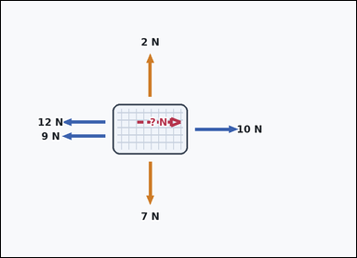 | 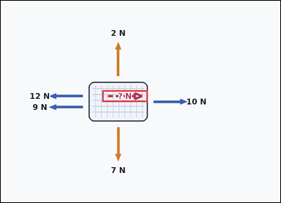 | task_physics_mechanics_force_diagram | balancing_force_horizontal | Use the mechanics force diagram in the image. It shows one textured block with labeled horizontal and vertical force arrows. Determine the requested force value from the diagram. Use the shown horizontal forces and the marked rightward direction. What force magnitude would balance them? Answer with an integer number of newtons. Return a valid JSON object with keys "evidence" and "answer" in that order. Evidence requirement: set "evidence" to an array containing the bounding box [x1, y1, x2, y2] of the marked `? N` force arrow. Answer format: set "answer" to the requested force magnitude as a non-negative integer number of newtons. Example JSON: {"evidence":[[2.5,3,4.5,5]],"answer":8} | Use the mechanics force diagram in the image. It shows one textured block with labeled horizontal and vertical force arrows. Determine the requested force value from the diagram. Use the shown horizontal forces and the marked rightward direction. What force magnitude would balance them? Answer with an integer number of newtons. Return a valid JSON object with key "answer". Answer: set "answer" to the requested force magnitude as a non-negative integer number of newtons. Example JSON: {"answer":8} | {"evidence": [[312.2, 275.0, 452.2, 311.0]], "answer": 11} | [[312.2, 275.0, 452.2, 311.0]] | integer | bbox_set | 283805207371474 | physics/task_physics_mechanics_force_diagram/images/balancing_force_horizontal/0004.png | physics/task_physics_mechanics_force_diagram/data/balancing_force_horizontal/0004.json
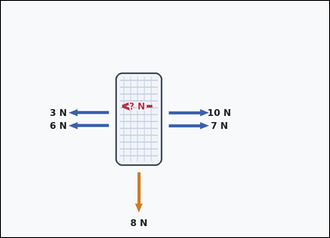 | 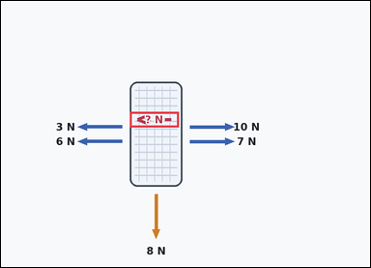 | task_physics_mechanics_force_diagram | balancing_force_horizontal | Use the mechanics force diagram in the image. It shows one textured block with labeled horizontal and vertical force arrows. Work from the labeled force arrows to answer the question. A missing horizontal force is marked in the leftward direction. What magnitude would balance the horizontal forces? Answer with an integer number of newtons. Return a valid JSON object with keys "evidence" and "answer" in that order. Evidence requirement: set "evidence" to an array containing the bounding box [x1, y1, x2, y2] of the marked `? N` force arrow. Answer format: set "answer" to the requested force magnitude as a non-negative integer number of newtons. Example JSON: {"evidence":[[2.5,3,4.5,5]],"answer":8} | Use the mechanics force diagram in the image. It shows one textured block with labeled horizontal and vertical force arrows. Work from the labeled force arrows to answer the question. A missing horizontal force is marked in the leftward direction. What magnitude would balance the horizontal forces? Answer with an integer number of newtons. Return a valid JSON object with key "answer". Answer format: set "answer" to the requested force magnitude as a non-negative integer number of newtons. Example JSON: {"answer":8} | {"evidence": [[300.2, 258.0, 414.2, 294.0]], "answer": 8} | [[300.2, 258.0, 414.2, 294.0]] | integer | bbox_set | 579738763183449 | physics/task_physics_mechanics_force_diagram/images/balancing_force_horizontal/0005.png | physics/task_physics_mechanics_force_diagram/data/balancing_force_horizontal/0005.json
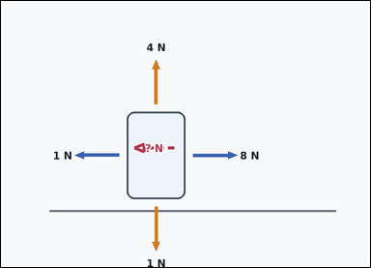 | 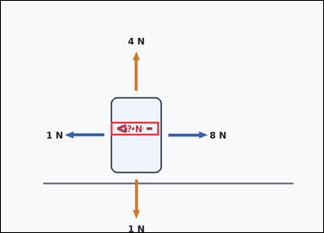 | task_physics_mechanics_force_diagram | balancing_force_horizontal | You are given an image with one block on a horizontal surface with labeled horizontal and vertical force arrows. Work from the labeled force arrows to answer the question. What magnitude is required for the marked leftward horizontal force so the object has zero net horizontal force? Answer with an integer number of newtons. Return a valid JSON object with keys "evidence" and "answer" in that order. Evidence field: set "evidence" to an array containing the bounding box [x1, y1, x2, y2] of the marked `? N` force arrow. Answer field: set "answer" to the requested force magnitude as a non-negative integer number of newtons. Example JSON: {"evidence":[[2.5,3.5,4.5,5.5]],"answer":8} | You are given an image with one block on a horizontal surface with labeled horizontal and vertical force arrows. Work from the labeled force arrows to answer the question. What magnitude is required for the marked leftward horizontal force so the object has zero net horizontal force? Answer with an integer number of newtons. Return a valid JSON object with key "answer". Answer rule: set "answer" to the requested force magnitude as a non-negative integer number of newtons. Example JSON: {"answer":8} | {"evidence": [[293.2, 324.6, 421.2, 360.6]], "answer": 7} | [[293.2, 324.6, 421.2, 360.6]] | integer | bbox_set | 582013703278640 | physics/task_physics_mechanics_force_diagram/images/balancing_force_horizontal/0024.png | physics/task_physics_mechanics_force_diagram/data/balancing_force_horizontal/0024.json
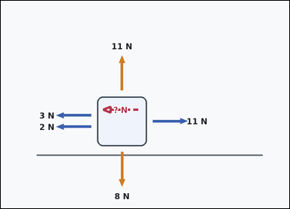 | 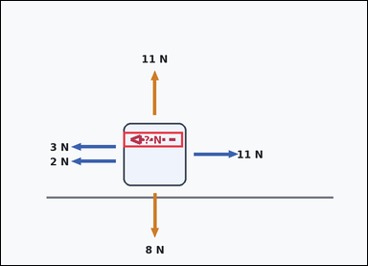 | task_physics_mechanics_force_diagram | balancing_force_horizontal | Look at the mechanics diagram in the image. It shows one block on a horizontal surface with labeled horizontal and vertical force arrows. Read the force arrows and determine the requested value. How large must the marked leftward horizontal force be so the horizontal net force becomes zero? Answer with an integer number of newtons. Return a valid JSON object with keys "evidence" and "answer" in that order. Evidence: set "evidence" to an array containing the bounding box [x1, y1, x2, y2] of the marked `? N` force arrow. Answer: set "answer" to the requested force magnitude as a non-negative integer number of newtons. Example JSON: {"evidence":[[2.5,3.5,4.5,5.5]],"answer":8} | Look at the mechanics diagram in the image. It shows one block on a horizontal surface with labeled horizontal and vertical force arrows. Read the force arrows and determine the requested value. How large must the marked leftward horizontal force be so the horizontal net force becomes zero? Answer with an integer number of newtons. Return a valid JSON object with key "answer". Answer field: set "answer" to the requested force magnitude as a non-negative integer number of newtons. Example JSON: {"answer":8} | {"evidence": [[287.2, 307.6, 427.2, 343.6]], "answer": 6} | [[287.2, 307.6, 427.2, 343.6]] | integer | bbox_set | 1.0784625873E+15 | physics/task_physics_mechanics_force_diagram/images/balancing_force_horizontal/0023.png | physics/task_physics_mechanics_force_diagram/data/balancing_force_horizontal/0023.json
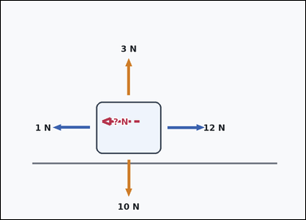 | 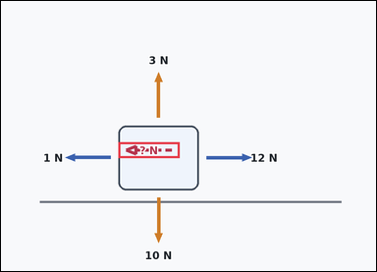 | task_physics_mechanics_force_diagram | balancing_force_horizontal | Work from the force diagram shown in the image: one block on a horizontal surface with labeled horizontal and vertical force arrows. Determine the requested force value from the diagram. What force magnitude in the marked leftward direction is needed to make the net horizontal force zero? Answer with an integer number of newtons. Return a valid JSON object with keys "evidence" and "answer" in that order. Evidence rule: set "evidence" to an array containing the bounding box [x1, y1, x2, y2] of the marked `? N` force arrow. Answer rule: set "answer" to the requested force magnitude as a non-negative integer number of newtons. Example JSON: {"evidence":[[2.5,3.5,4.5,5.5]],"answer":8} | Work from the force diagram shown in the image: one block on a horizontal surface with labeled horizontal and vertical force arrows. Determine the requested force value from the diagram. What force magnitude in the marked leftward direction is needed to make the net horizontal force zero? Answer with an integer number of newtons. Return a valid JSON object with key "answer". Answer: set "answer" to the requested force magnitude as a non-negative integer number of newtons. Example JSON: {"answer":8} | {"evidence": [[269.2, 324.6, 409.2, 360.6]], "answer": 11} | [[269.2, 324.6, 409.2, 360.6]] | integer | bbox_set | 1.6260193986E+15 | physics/task_physics_mechanics_force_diagram/images/balancing_force_horizontal/0017.png | physics/task_physics_mechanics_force_diagram/data/balancing_force_horizontal/0017.json
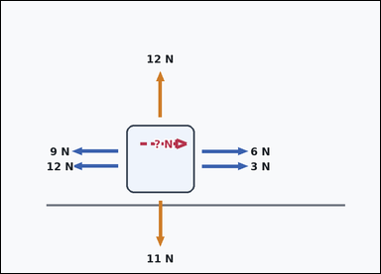 | 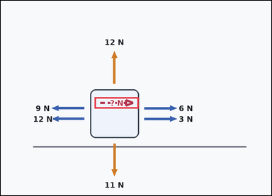 | task_physics_mechanics_force_diagram | balancing_force_horizontal | Use the mechanics force diagram in the image. It shows one block on a horizontal surface with labeled horizontal and vertical force arrows. Work from the labeled force arrows to answer the question. What magnitude is required for the marked rightward horizontal force so the object has zero net horizontal force? Answer with an integer number of newtons. Return a valid JSON object with keys "evidence" and "answer" in that order. Evidence format: set "evidence" to an array containing the bounding box [x1, y1, x2, y2] of the marked `? N` force arrow. Answer requirement: set "answer" to the requested force magnitude as a non-negative integer number of newtons. Example JSON: {"evidence":[[2.5,3.5,4.5,5.5]],"answer":8} | Use the mechanics force diagram in the image. It shows one block on a horizontal surface with labeled horizontal and vertical force arrows. Work from the labeled force arrows to answer the question. What magnitude is required for the marked rightward horizontal force so the object has zero net horizontal force? Answer with an integer number of newtons. Return a valid JSON object with key "answer". Answer requirement: set "answer" to the requested force magnitude as a non-negative integer number of newtons. Example JSON: {"answer":8} | {"evidence": [[298.7, 307.6, 438.7, 343.6]], "answer": 12} | [[298.7, 307.6, 438.7, 343.6]] | integer | bbox_set | 1.6915940152E+15 | physics/task_physics_mechanics_force_diagram/images/balancing_force_horizontal/0000.png | physics/task_physics_mechanics_force_diagram/data/balancing_force_horizontal/0000.json
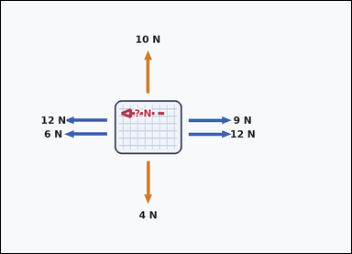 | 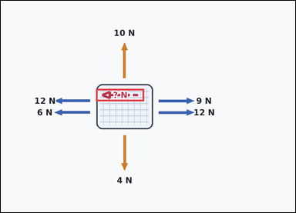 | task_physics_mechanics_force_diagram | balancing_force_horizontal | Work from the force diagram shown in the image: one textured block with labeled horizontal and vertical force arrows. Use the shown force arrows to answer the question. How large must the marked leftward horizontal force be so the horizontal net force becomes zero? Answer with an integer number of newtons. Return a valid JSON object with keys "evidence" and "answer" in that order. Evidence field: set "evidence" to an array containing the bounding box [x1, y1, x2, y2] of the marked `? N` force arrow. Answer field: set "answer" to the requested force magnitude as a non-negative integer number of newtons. Example JSON: {"evidence":[[2.5,3,4.5,5]],"answer":8} | Work from the force diagram shown in the image: one textured block with labeled horizontal and vertical force arrows. Use the shown force arrows to answer the question. How large must the marked leftward horizontal force be so the horizontal net force becomes zero? Answer with an integer number of newtons. Return a valid JSON object with key "answer". Answer requirement: set "answer" to the requested force magnitude as a non-negative integer number of newtons. Example JSON: {"answer":8} | {"evidence": [[278.7, 258.0, 418.7, 294.0]], "answer": 3} | [[278.7, 258.0, 418.7, 294.0]] | integer | bbox_set | 1.9013388517E+15 | physics/task_physics_mechanics_force_diagram/images/balancing_force_horizontal/0007.png | physics/task_physics_mechanics_force_diagram/data/balancing_force_horizontal/0007.json
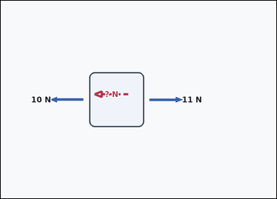 | 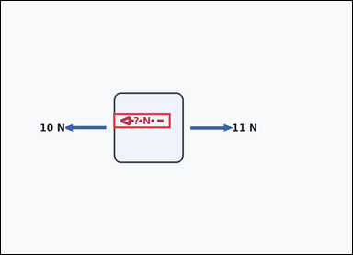 | task_physics_mechanics_force_diagram | balancing_force_horizontal | Work from the force diagram shown in the image: one isolated block with labeled horizontal and vertical force arrows. Answer using only the forces shown in the diagram. A missing horizontal force is marked in the leftward direction. What magnitude would balance the horizontal forces? Answer with an integer number of newtons. Return a valid JSON object with keys "evidence" and "answer" in that order. Evidence field: set "evidence" to an array containing the bounding box [x1, y1, x2, y2] of the marked `? N` force arrow. Answer field: set "answer" to the requested force magnitude as a non-negative integer number of newtons. Example JSON: {"evidence":[[2.5,3,4.5,5]],"answer":8} | Work from the force diagram shown in the image: one isolated block with labeled horizontal and vertical force arrows. Answer using only the forces shown in the diagram. A missing horizontal force is marked in the leftward direction. What magnitude would balance the horizontal forces? Answer with an integer number of newtons. Return a valid JSON object with key "answer". Answer format: set "answer" to the requested force magnitude as a non-negative integer number of newtons. Example JSON: {"answer":8} | {"evidence": [[275.7, 275.0, 415.7, 311.0]], "answer": 1} | [[275.7, 275.0, 415.7, 311.0]] | integer | bbox_set | 2.3219116018E+15 | physics/task_physics_mechanics_force_diagram/images/balancing_force_horizontal/0001.png | physics/task_physics_mechanics_force_diagram/data/balancing_force_horizontal/0001.json
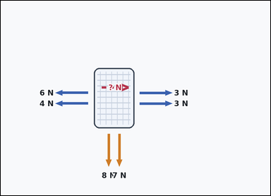 | 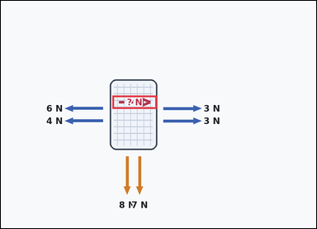 | task_physics_mechanics_force_diagram | balancing_force_horizontal | Work from the force diagram shown in the image: one textured block with labeled horizontal and vertical force arrows. Answer using only the forces shown in the diagram. Use the shown horizontal forces and the marked rightward direction. What force magnitude would balance them? Answer with an integer number of newtons. Return a valid JSON object with keys "evidence" and "answer" in that order. Evidence: set "evidence" to an array containing the bounding box [x1, y1, x2, y2] of the marked `? N` force arrow. Answer: set "answer" to the requested force magnitude as a non-negative integer number of newtons. Example JSON: {"evidence":[[2.5,3,4.5,5]],"answer":8} | Work from the force diagram shown in the image: one textured block with labeled horizontal and vertical force arrows. Answer using only the forces shown in the diagram. Use the shown horizontal forces and the marked rightward direction. What force magnitude would balance them? Answer with an integer number of newtons. Return a valid JSON object with key "answer". Answer requirement: set "answer" to the requested force magnitude as a non-negative integer number of newtons. Example JSON: {"answer":8} | {"evidence": [[304.7, 258.0, 425.7, 294.0]], "answer": 4} | [[304.7, 258.0, 425.7, 294.0]] | integer | bbox_set | 2.4513502444E+15 | physics/task_physics_mechanics_force_diagram/images/balancing_force_horizontal/0019.png | physics/task_physics_mechanics_force_diagram/data/balancing_force_horizontal/0019.json
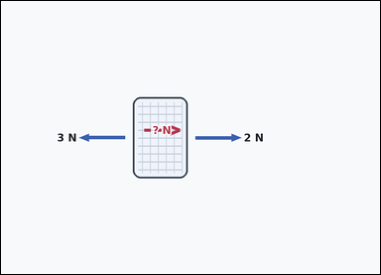 | 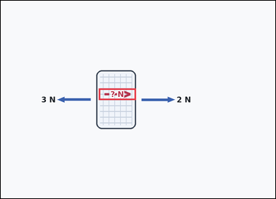 | task_physics_mechanics_force_diagram | balancing_force_horizontal | You are given an image with one textured block with labeled horizontal and vertical force arrows. Work from the labeled force arrows to answer the question. A missing horizontal force is marked in the rightward direction. What magnitude would balance the horizontal forces? Answer with an integer number of newtons. Return a valid JSON object with keys "evidence" and "answer" in that order. Evidence format: set "evidence" to an array containing the bounding box [x1, y1, x2, y2] of the marked `? N` force arrow. Answer requirement: set "answer" to the requested force magnitude as a non-negative integer number of newtons. Example JSON: {"evidence":[[2.5,3,4.5,5]],"answer":8} | You are given an image with one textured block with labeled horizontal and vertical force arrows. Work from the labeled force arrows to answer the question. A missing horizontal force is marked in the rightward direction. What magnitude would balance the horizontal forces? Answer with an integer number of newtons. Return a valid JSON object with key "answer". Answer format: set "answer" to the requested force magnitude as a non-negative integer number of newtons. Example JSON: {"answer":8} | {"evidence": [[307.2, 275.0, 423.2, 311.0]], "answer": 1} | [[307.2, 275.0, 423.2, 311.0]] | integer | bbox_set | 2.4948145405E+15 | physics/task_physics_mechanics_force_diagram/images/balancing_force_horizontal/0013.png | physics/task_physics_mechanics_force_diagram/data/balancing_force_horizontal/0013.json
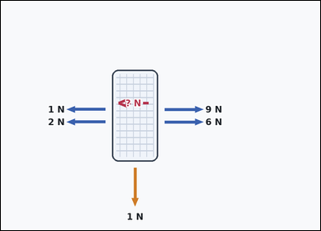 |  | task_physics_mechanics_force_diagram | balancing_force_horizontal | Work from the force diagram shown in the image: one textured block with labeled horizontal and vertical force arrows. Answer using only the forces shown in the diagram. How large must the marked leftward horizontal force be so the horizontal net force becomes zero? Answer with an integer number of newtons. Return a valid JSON object with keys "evidence" and "answer" in that order. Evidence: set "evidence" to an array containing the bounding box [x1, y1, x2, y2] of the marked `? N` force arrow. Answer: set "answer" to the requested force magnitude as a non-negative integer number of newtons. Example JSON: {"evidence":[[2.5,3,4.5,5]],"answer":8} | Work from the force diagram shown in the image: one textured block with labeled horizontal and vertical force arrows. Answer using only the forces shown in the diagram. How large must the marked leftward horizontal force be so the horizontal net force becomes zero? Answer with an integer number of newtons. Return a valid JSON object with key "answer". Answer field: set "answer" to the requested force magnitude as a non-negative integer number of newtons. Example JSON: {"answer":8} | {"evidence": [[299.2, 258.0, 415.2, 294.0]], "answer": 12} | [[299.2, 258.0, 415.2, 294.0]] | integer | bbox_set | 2.8092257719E+15 | physics/task_physics_mechanics_force_diagram/images/balancing_force_horizontal/0008.png | physics/task_physics_mechanics_force_diagram/data/balancing_force_horizontal/0008.json
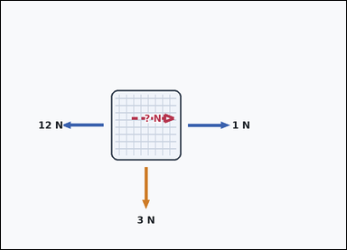 | 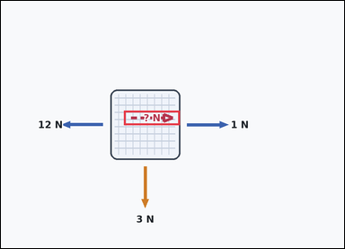 | task_physics_mechanics_force_diagram | balancing_force_horizontal | The image shows one textured block with labeled horizontal and vertical force arrows. Answer using only the forces shown in the diagram. Use the shown horizontal forces and the marked rightward direction. What force magnitude would balance them? Answer with an integer number of newtons. Return a valid JSON object with keys "evidence" and "answer" in that order. Evidence requirement: set "evidence" to an array containing the bounding box [x1, y1, x2, y2] of the marked `? N` force arrow. Answer format: set "answer" to the requested force magnitude as a non-negative integer number of newtons. Example JSON: {"evidence":[[2.5,3,4.5,5]],"answer":8} | The image shows one textured block with labeled horizontal and vertical force arrows. Answer using only the forces shown in the diagram. Use the shown horizontal forces and the marked rightward direction. What force magnitude would balance them? Answer with an integer number of newtons. Return a valid JSON object with key "answer". Answer rule: set "answer" to the requested force magnitude as a non-negative integer number of newtons. Example JSON: {"answer":8} | {"evidence": [[308.7, 275.0, 448.7, 311.0]], "answer": 11} | [[308.7, 275.0, 448.7, 311.0]] | integer | bbox_set | 3.0170117923E+15 | physics/task_physics_mechanics_force_diagram/images/balancing_force_horizontal/0006.png | physics/task_physics_mechanics_force_diagram/data/balancing_force_horizontal/0006.json
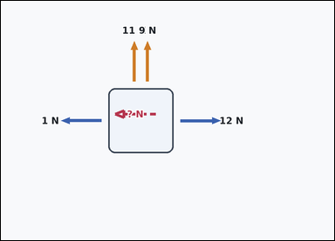 | 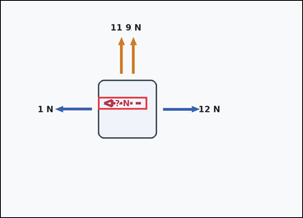 | task_physics_mechanics_force_diagram | balancing_force_horizontal | You are given an image with one isolated block with labeled horizontal and vertical force arrows. Read the force arrows and determine the requested value. What force magnitude in the marked leftward direction is needed to make the net horizontal force zero? Answer with an integer number of newtons. Return a valid JSON object with keys "evidence" and "answer" in that order. Evidence requirement: set "evidence" to an array containing the bounding box [x1, y1, x2, y2] of the marked `? N` force arrow. Answer format: set "answer" to the requested force magnitude as a non-negative integer number of newtons. Example JSON: {"evidence":[[2.5,3,4.5,5]],"answer":8} | You are given an image with one isolated block with labeled horizontal and vertical force arrows. Read the force arrows and determine the requested value. What force magnitude in the marked leftward direction is needed to make the net horizontal force zero? Answer with an integer number of newtons. Return a valid JSON object with key "answer". Answer requirement: set "answer" to the requested force magnitude as a non-negative integer number of newtons. Example JSON: {"answer":8} | {"evidence": [[277.2, 275.0, 417.2, 311.0]], "answer": 11} | [[277.2, 275.0, 417.2, 311.0]] | integer | bbox_set | 3.1092474953E+15 | physics/task_physics_mechanics_force_diagram/images/balancing_force_horizontal/0009.png | physics/task_physics_mechanics_force_diagram/data/balancing_force_horizontal/0009.json
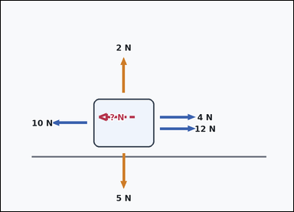 | 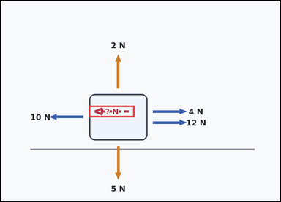 | task_physics_mechanics_force_diagram | balancing_force_horizontal | Work from the force diagram shown in the image: one block on a horizontal surface with labeled horizontal and vertical force arrows. Use the shown force arrows to answer the question. What force magnitude in the marked leftward direction is needed to make the net horizontal force zero? Answer with an integer number of newtons. Return a valid JSON object with keys "evidence" and "answer" in that order. Evidence: set "evidence" to an array containing the bounding box [x1, y1, x2, y2] of the marked `? N` force arrow. Answer: set "answer" to the requested force magnitude as a non-negative integer number of newtons. Example JSON: {"evidence":[[2.5,3.5,4.5,5.5]],"answer":8} | Work from the force diagram shown in the image: one block on a horizontal surface with labeled horizontal and vertical force arrows. Use the shown force arrows to answer the question. What force magnitude in the marked leftward direction is needed to make the net horizontal force zero? Answer with an integer number of newtons. Return a valid JSON object with key "answer". Answer rule: set "answer" to the requested force magnitude as a non-negative integer number of newtons. Example JSON: {"answer":8} | {"evidence": [[271.7, 324.6, 411.7, 360.6]], "answer": 6} | [[271.7, 324.6, 411.7, 360.6]] | integer | bbox_set | 3.3338387558E+15 | physics/task_physics_mechanics_force_diagram/images/balancing_force_horizontal/0021.png | physics/task_physics_mechanics_force_diagram/data/balancing_force_horizontal/0021.json
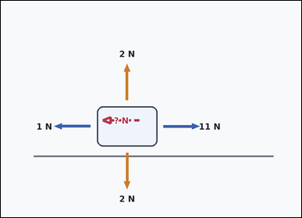 | 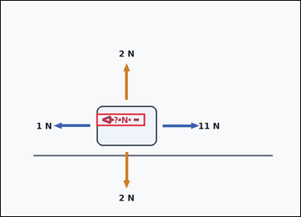 | task_physics_mechanics_force_diagram | balancing_force_horizontal | You are given an image with one block on a horizontal surface with labeled horizontal and vertical force arrows. Use the shown force arrows to answer the question. How large must the marked leftward horizontal force be so the horizontal net force becomes zero? Answer with an integer number of newtons. Return a valid JSON object with keys "evidence" and "answer" in that order. Evidence: set "evidence" to an array containing the bounding box [x1, y1, x2, y2] of the marked `? N` force arrow. Answer: set "answer" to the requested force magnitude as a non-negative integer number of newtons. Example JSON: {"evidence":[[2.5,3.5,4.5,5.5]],"answer":8} | You are given an image with one block on a horizontal surface with labeled horizontal and vertical force arrows. Use the shown force arrows to answer the question. How large must the marked leftward horizontal force be so the horizontal net force becomes zero? Answer with an integer number of newtons. Return a valid JSON object with key "answer". Answer requirement: set "answer" to the requested force magnitude as a non-negative integer number of newtons. Example JSON: {"answer":8} | {"evidence": [[274.7, 324.6, 414.7, 360.6]], "answer": 10} | [[274.7, 324.6, 414.7, 360.6]] | integer | bbox_set | 4.0886152836E+15 | physics/task_physics_mechanics_force_diagram/images/balancing_force_horizontal/0011.png | physics/task_physics_mechanics_force_diagram/data/balancing_force_horizontal/0011.json
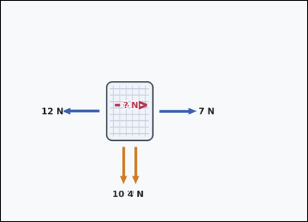 | 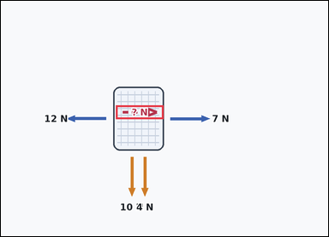 | task_physics_mechanics_force_diagram | balancing_force_horizontal | Work from the force diagram shown in the image: one textured block with labeled horizontal and vertical force arrows. Work from the labeled force arrows to answer the question. What force magnitude in the marked rightward direction is needed to make the net horizontal force zero? Answer with an integer number of newtons. Return a valid JSON object with keys "evidence" and "answer" in that order. Evidence: set "evidence" to an array containing the bounding box [x1, y1, x2, y2] of the marked `? N` force arrow. Answer: set "answer" to the requested force magnitude as a non-negative integer number of newtons. Example JSON: {"evidence":[[2.5,3,4.5,5]],"answer":8} | Work from the force diagram shown in the image: one textured block with labeled horizontal and vertical force arrows. Work from the labeled force arrows to answer the question. What force magnitude in the marked rightward direction is needed to make the net horizontal force zero? Answer with an integer number of newtons. Return a valid JSON object with key "answer". Answer format: set "answer" to the requested force magnitude as a non-negative integer number of newtons. Example JSON: {"answer":8} | {"evidence": [[302.7, 275.0, 427.7, 311.0]], "answer": 5} | [[302.7, 275.0, 427.7, 311.0]] | integer | bbox_set | 4.5033883181E+15 | physics/task_physics_mechanics_force_diagram/images/balancing_force_horizontal/0003.png | physics/task_physics_mechanics_force_diagram/data/balancing_force_horizontal/0003.json
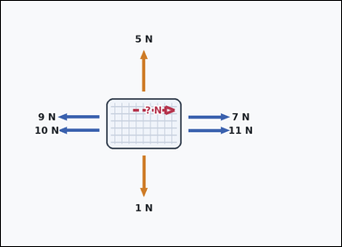 | 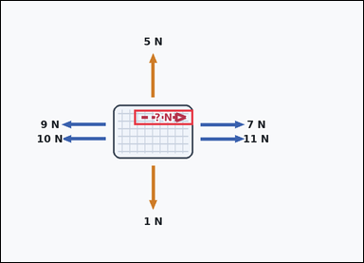 | task_physics_mechanics_force_diagram | balancing_force_horizontal | The image shows one textured block with labeled horizontal and vertical force arrows. Use the shown force arrows to answer the question. What force magnitude in the marked rightward direction is needed to make the net horizontal force zero? Answer with an integer number of newtons. Return a valid JSON object with keys "evidence" and "answer" in that order. Evidence: set "evidence" to an array containing the bounding box [x1, y1, x2, y2] of the marked `? N` force arrow. Answer: set "answer" to the requested force magnitude as a non-negative integer number of newtons. Example JSON: {"evidence":[[2.5,3,4.5,5]],"answer":8} | The image shows one textured block with labeled horizontal and vertical force arrows. Use the shown force arrows to answer the question. What force magnitude in the marked rightward direction is needed to make the net horizontal force zero? Answer with an integer number of newtons. Return a valid JSON object with key "answer". Answer requirement: set "answer" to the requested force magnitude as a non-negative integer number of newtons. Example JSON: {"answer":8} | {"evidence": [[316.2, 258.0, 456.2, 294.0]], "answer": 1} | [[316.2, 258.0, 456.2, 294.0]] | integer | bbox_set | 5.8503723964E+15 | physics/task_physics_mechanics_force_diagram/images/balancing_force_horizontal/0012.png | physics/task_physics_mechanics_force_diagram/data/balancing_force_horizontal/0012.json
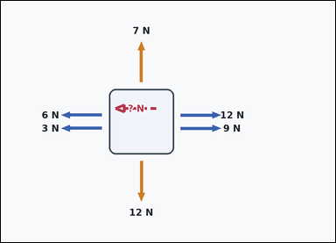 | 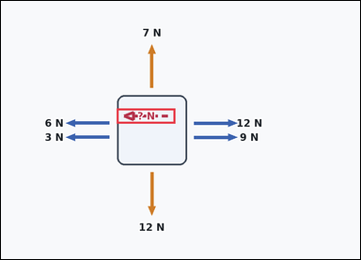 | task_physics_mechanics_force_diagram | balancing_force_horizontal | Look at the mechanics diagram in the image. It shows one isolated block with labeled horizontal and vertical force arrows. Answer using only the forces shown in the diagram. What force magnitude in the marked leftward direction is needed to make the net horizontal force zero? Answer with an integer number of newtons. Return a valid JSON object with keys "evidence" and "answer" in that order. Evidence format: set "evidence" to an array containing the bounding box [x1, y1, x2, y2] of the marked `? N` force arrow. Answer requirement: set "answer" to the requested force magnitude as a non-negative integer number of newtons. Example JSON: {"evidence":[[2.5,3,4.5,5]],"answer":8} | Look at the mechanics diagram in the image. It shows one isolated block with labeled horizontal and vertical force arrows. Answer using only the forces shown in the diagram. What force magnitude in the marked leftward direction is needed to make the net horizontal force zero? Answer with an integer number of newtons. Return a valid JSON object with key "answer". Answer requirement: set "answer" to the requested force magnitude as a non-negative integer number of newtons. Example JSON: {"answer":8} | {"evidence": [[277.7, 258.0, 417.7, 294.0]], "answer": 12} | [[277.7, 258.0, 417.7, 294.0]] | integer | bbox_set | 6.2716855033E+15 | physics/task_physics_mechanics_force_diagram/images/balancing_force_horizontal/0018.png | physics/task_physics_mechanics_force_diagram/data/balancing_force_horizontal/0018.json
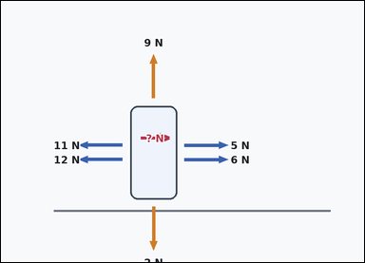 | 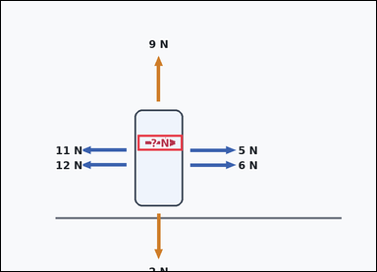 | task_physics_mechanics_force_diagram | balancing_force_horizontal | Look at the mechanics diagram in the image. It shows one block on a horizontal surface with labeled horizontal and vertical force arrows. Use the shown force arrows to answer the question. Use the shown horizontal forces and the marked rightward direction. What force magnitude would balance them? Answer with an integer number of newtons. Return a valid JSON object with keys "evidence" and "answer" in that order. Evidence field: set "evidence" to an array containing the bounding box [x1, y1, x2, y2] of the marked `? N` force arrow. Answer field: set "answer" to the requested force magnitude as a non-negative integer number of newtons. Example JSON: {"evidence":[[2.5,3.5,4.5,5.5]],"answer":8} | Look at the mechanics diagram in the image. It shows one block on a horizontal surface with labeled horizontal and vertical force arrows. Use the shown force arrows to answer the question. Use the shown horizontal forces and the marked rightward direction. What force magnitude would balance them? Answer with an integer number of newtons. Return a valid JSON object with key "answer". Answer: set "answer" to the requested force magnitude as a non-negative integer number of newtons. Example JSON: {"answer":8} | {"evidence": [[313.7, 307.6, 416.7, 343.6]], "answer": 12} | [[313.7, 307.6, 416.7, 343.6]] | integer | bbox_set | 6.6585414126E+15 | physics/task_physics_mechanics_force_diagram/images/balancing_force_horizontal/0016.png | physics/task_physics_mechanics_force_diagram/data/balancing_force_horizontal/0016.json
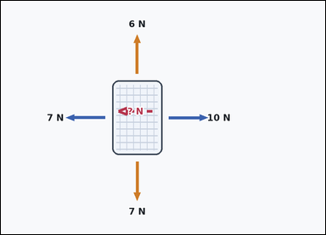 | 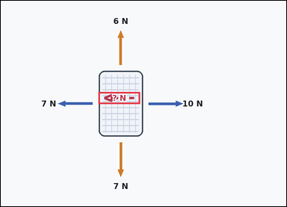 | task_physics_mechanics_force_diagram | balancing_force_horizontal | Use the mechanics force diagram in the image. It shows one textured block with labeled horizontal and vertical force arrows. Answer using only the forces shown in the diagram. What force magnitude in the marked leftward direction is needed to make the net horizontal force zero? Answer with an integer number of newtons. Return a valid JSON object with keys "evidence" and "answer" in that order. Evidence: set "evidence" to an array containing the bounding box [x1, y1, x2, y2] of the marked `? N` force arrow. Answer: set "answer" to the requested force magnitude as a non-negative integer number of newtons. Example JSON: {"evidence":[[2.5,3,4.5,5]],"answer":8} | Use the mechanics force diagram in the image. It shows one textured block with labeled horizontal and vertical force arrows. Answer using only the forces shown in the diagram. What force magnitude in the marked leftward direction is needed to make the net horizontal force zero? Answer with an integer number of newtons. Return a valid JSON object with key "answer". Answer rule: set "answer" to the requested force magnitude as a non-negative integer number of newtons. Example JSON: {"answer":8} | {"evidence": [[294.7, 275.0, 419.7, 311.0]], "answer": 3} | [[294.7, 275.0, 419.7, 311.0]] | integer | bbox_set | 6.9264327329E+15 | physics/task_physics_mechanics_force_diagram/images/balancing_force_horizontal/0015.png | physics/task_physics_mechanics_force_diagram/data/balancing_force_horizontal/0015.json
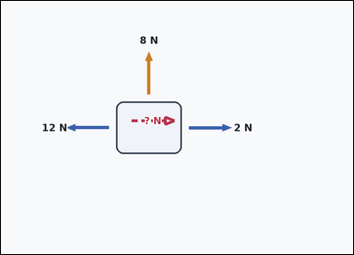 | 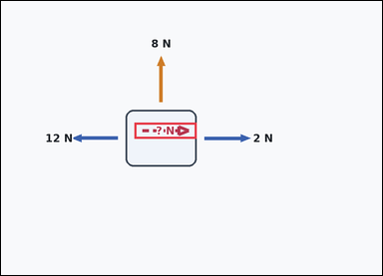 | task_physics_mechanics_force_diagram | balancing_force_horizontal | Work from the force diagram shown in the image: one isolated block with labeled horizontal and vertical force arrows. Use the shown force arrows to answer the question. What magnitude is required for the marked rightward horizontal force so the object has zero net horizontal force? Answer with an integer number of newtons. Return a valid JSON object with keys "evidence" and "answer" in that order. Evidence rule: set "evidence" to an array containing the bounding box [x1, y1, x2, y2] of the marked `? N` force arrow. Answer rule: set "answer" to the requested force magnitude as a non-negative integer number of newtons. Example JSON: {"evidence":[[2.5,3,4.5,5]],"answer":8} | Work from the force diagram shown in the image: one isolated block with labeled horizontal and vertical force arrows. Use the shown force arrows to answer the question. What magnitude is required for the marked rightward horizontal force so the object has zero net horizontal force? Answer with an integer number of newtons. Return a valid JSON object with key "answer". Answer requirement: set "answer" to the requested force magnitude as a non-negative integer number of newtons. Example JSON: {"answer":8} | {"evidence": [[301.2, 275.0, 441.2, 311.0]], "answer": 10} | [[301.2, 275.0, 441.2, 311.0]] | integer | bbox_set | 7.2595563741E+15 | physics/task_physics_mechanics_force_diagram/images/balancing_force_horizontal/0020.png | physics/task_physics_mechanics_force_diagram/data/balancing_force_horizontal/0020.json
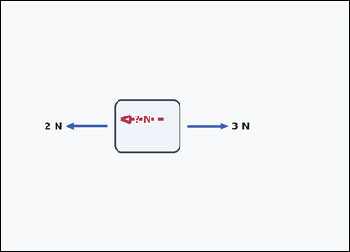 | 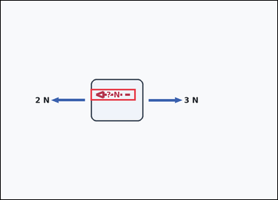 | task_physics_mechanics_force_diagram | balancing_force_horizontal | Use the mechanics force diagram in the image. It shows one isolated block with labeled horizontal and vertical force arrows. Use the shown force arrows to answer the question. What magnitude is required for the marked leftward horizontal force so the object has zero net horizontal force? Answer with an integer number of newtons. Return a valid JSON object with keys "evidence" and "answer" in that order. Evidence requirement: set "evidence" to an array containing the bounding box [x1, y1, x2, y2] of the marked `? N` force arrow. Answer format: set "answer" to the requested force magnitude as a non-negative integer number of newtons. Example JSON: {"evidence":[[2.5,3,4.5,5]],"answer":8} | Use the mechanics force diagram in the image. It shows one isolated block with labeled horizontal and vertical force arrows. Use the shown force arrows to answer the question. What magnitude is required for the marked leftward horizontal force so the object has zero net horizontal force? Answer with an integer number of newtons. Return a valid JSON object with key "answer". Answer field: set "answer" to the requested force magnitude as a non-negative integer number of newtons. Example JSON: {"answer":8} | {"evidence": [[279.7, 275.0, 419.7, 311.0]], "answer": 1} | [[279.7, 275.0, 419.7, 311.0]] | integer | bbox_set | 7.6004090483E+15 | physics/task_physics_mechanics_force_diagram/images/balancing_force_horizontal/0002.png | physics/task_physics_mechanics_force_diagram/data/balancing_force_horizontal/0002.json
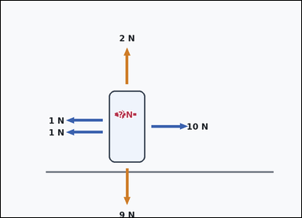 | 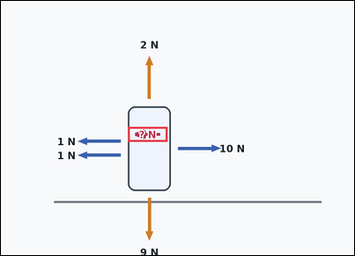 | task_physics_mechanics_force_diagram | balancing_force_horizontal | Use the mechanics force diagram in the image. It shows one block on a horizontal surface with labeled horizontal and vertical force arrows. Determine the requested force value from the diagram. What force magnitude in the marked leftward direction is needed to make the net horizontal force zero? Answer with an integer number of newtons. Return a valid JSON object with keys "evidence" and "answer" in that order. Evidence rule: set "evidence" to an array containing the bounding box [x1, y1, x2, y2] of the marked `? N` force arrow. Answer rule: set "answer" to the requested force magnitude as a non-negative integer number of newtons. Example JSON: {"evidence":[[2.5,3.5,4.5,5.5]],"answer":8} | Use the mechanics force diagram in the image. It shows one block on a horizontal surface with labeled horizontal and vertical force arrows. Determine the requested force value from the diagram. What force magnitude in the marked leftward direction is needed to make the net horizontal force zero? Answer with an integer number of newtons. Return a valid JSON object with key "answer". Answer field: set "answer" to the requested force magnitude as a non-negative integer number of newtons. Example JSON: {"answer":8} | {"evidence": [[309.2, 307.6, 405.2, 343.6]], "answer": 8} | [[309.2, 307.6, 405.2, 343.6]] | integer | bbox_set | 8.4925155992E+15 | physics/task_physics_mechanics_force_diagram/images/balancing_force_horizontal/0022.png | physics/task_physics_mechanics_force_diagram/data/balancing_force_horizontal/0022.json
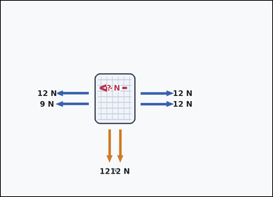 | 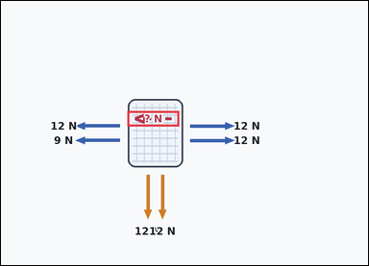 | task_physics_mechanics_force_diagram | balancing_force_horizontal | The image shows one textured block with labeled horizontal and vertical force arrows. Determine the requested force value from the diagram. What magnitude is required for the marked leftward horizontal force so the object has zero net horizontal force? Answer with an integer number of newtons. Return a valid JSON object with keys "evidence" and "answer" in that order. Evidence format: set "evidence" to an array containing the bounding box [x1, y1, x2, y2] of the marked `? N` force arrow. Answer requirement: set "answer" to the requested force magnitude as a non-negative integer number of newtons. Example JSON: {"evidence":[[2.5,3,4.5,5]],"answer":8} | The image shows one textured block with labeled horizontal and vertical force arrows. Determine the requested force value from the diagram. What magnitude is required for the marked leftward horizontal force so the object has zero net horizontal force? Answer with an integer number of newtons. Return a valid JSON object with key "answer". Answer requirement: set "answer" to the requested force magnitude as a non-negative integer number of newtons. Example JSON: {"answer":8} | {"evidence": [[296.7, 258.0, 417.7, 294.0]], "answer": 3} | [[296.7, 258.0, 417.7, 294.0]] | integer | bbox_set | 8.5196114276E+15 | physics/task_physics_mechanics_force_diagram/images/balancing_force_horizontal/0010.png | physics/task_physics_mechanics_force_diagram/data/balancing_force_horizontal/0010.json
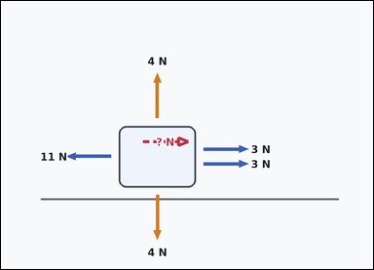 | 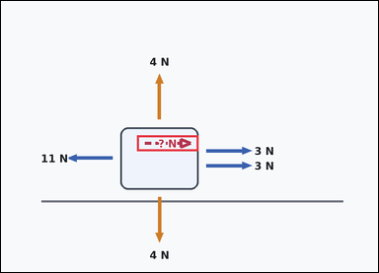 | task_physics_mechanics_force_diagram | balancing_force_horizontal | Use the mechanics force diagram in the image. It shows one block on a horizontal surface with labeled horizontal and vertical force arrows. Answer using only the forces shown in the diagram. What force magnitude in the marked rightward direction is needed to make the net horizontal force zero? Answer with an integer number of newtons. Return a valid JSON object with keys "evidence" and "answer" in that order. Evidence rule: set "evidence" to an array containing the bounding box [x1, y1, x2, y2] of the marked `? N` force arrow. Answer rule: set "answer" to the requested force magnitude as a non-negative integer number of newtons. Example JSON: {"evidence":[[2.5,3.5,4.5,5.5]],"answer":8} | Use the mechanics force diagram in the image. It shows one block on a horizontal surface with labeled horizontal and vertical force arrows. Answer using only the forces shown in the diagram. What force magnitude in the marked rightward direction is needed to make the net horizontal force zero? Answer with an integer number of newtons. Return a valid JSON object with key "answer". Answer format: set "answer" to the requested force magnitude as a non-negative integer number of newtons. Example JSON: {"answer":8} | {"evidence": [[310.2, 307.6, 450.2, 343.6]], "answer": 5} | [[310.2, 307.6, 450.2, 343.6]] | integer | bbox_set | 8.7761449412E+15 | physics/task_physics_mechanics_force_diagram/images/balancing_force_horizontal/0014.png | physics/task_physics_mechanics_force_diagram/data/balancing_force_horizontal/0014.json

balancing_force_vertical
image | evidence_image | task | task_variant | prompt | prompt_answer_only | answer | answer_evidence | answer_type | evidence_type | instance_seed | image_path | data_path
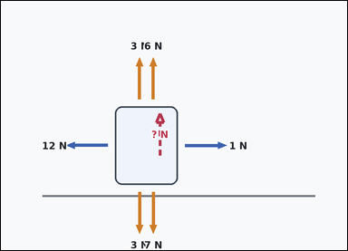 |  | task_physics_mechanics_force_diagram | balancing_force_vertical | You are given an image with one block on a horizontal surface with labeled horizontal and vertical force arrows. Answer using only the forces shown in the diagram. What magnitude is required for the marked upward vertical force so the object has zero net vertical force? Answer with an integer number of newtons. Return a valid JSON object with keys "evidence" and "answer" in that order. Evidence rule: set "evidence" to an array containing the bounding box [x1, y1, x2, y2] of the marked `? N` force arrow. Answer rule: set "answer" to the requested force magnitude as a non-negative integer number of newtons. Example JSON: {"evidence":[[2.5,3.5,4.5,5.5]],"answer":8} | You are given an image with one block on a horizontal surface with labeled horizontal and vertical force arrows. Answer using only the forces shown in the diagram. What magnitude is required for the marked upward vertical force so the object has zero net vertical force? Answer with an integer number of newtons. Return a valid JSON object with key "answer". Answer: set "answer" to the requested force magnitude as a non-negative integer number of newtons. Example JSON: {"answer":8} | {"evidence": [[371.2, 262.1, 419.2, 402.1]], "answer": 1} | [[371.2, 262.1, 419.2, 402.1]] | integer | bbox_set | 238545212662907 | physics/task_physics_mechanics_force_diagram/images/balancing_force_vertical/0012.png | physics/task_physics_mechanics_force_diagram/data/balancing_force_vertical/0012.json
 |  | task_physics_mechanics_force_diagram | balancing_force_vertical | Use the mechanics force diagram in the image. It shows one block on a horizontal surface with labeled horizontal and vertical force arrows. Read the force arrows and determine the requested value. A missing vertical force is marked in the downward direction. What magnitude would balance the vertical forces? Answer with an integer number of newtons. Return a valid JSON object with keys "evidence" and "answer" in that order. Evidence format: set "evidence" to an array containing the bounding box [x1, y1, x2, y2] of the marked `? N` force arrow. Answer requirement: set "answer" to the requested force magnitude as a non-negative integer number of newtons. Example JSON: {"evidence":[[2.5,3.5,4.5,5.5]],"answer":8} | Use the mechanics force diagram in the image. It shows one block on a horizontal surface with labeled horizontal and vertical force arrows. Read the force arrows and determine the requested value. A missing vertical force is marked in the downward direction. What magnitude would balance the vertical forces? Answer with an integer number of newtons. Return a valid JSON object with key "answer". Answer format: set "answer" to the requested force magnitude as a non-negative integer number of newtons. Example JSON: {"answer":8} | {"evidence": [[354.2, 317.1, 402.2, 457.1]], "answer": 1} | [[354.2, 317.1, 402.2, 457.1]] | integer | bbox_set | 459619490441526 | physics/task_physics_mechanics_force_diagram/images/balancing_force_vertical/0002.png | physics/task_physics_mechanics_force_diagram/data/balancing_force_vertical/0002.json
 |  | task_physics_mechanics_force_diagram | balancing_force_vertical | You are given an image with one isolated block with labeled horizontal and vertical force arrows. Use the shown force arrows to answer the question. A missing vertical force is marked in the upward direction. What magnitude would balance the vertical forces? Answer with an integer number of newtons. Return a valid JSON object with keys "evidence" and "answer" in that order. Evidence rule: set "evidence" to an array containing the bounding box [x1, y1, x2, y2] of the marked `? N` force arrow. Answer rule: set "answer" to the requested force magnitude as a non-negative integer number of newtons. Example JSON: {"evidence":[[2.5,3.5,4.5,5.5]],"answer":8} | You are given an image with one isolated block with labeled horizontal and vertical force arrows. Use the shown force arrows to answer the question. A missing vertical force is marked in the upward direction. What magnitude would balance the vertical forces? Answer with an integer number of newtons. Return a valid JSON object with key "answer". Answer requirement: set "answer" to the requested force magnitude as a non-negative integer number of newtons. Example JSON: {"answer":8} | {"evidence": [[371.2, 220.5, 419.2, 360.5]], "answer": 12} | [[371.2, 220.5, 419.2, 360.5]] | integer | bbox_set | 1.5890108554E+15 | physics/task_physics_mechanics_force_diagram/images/balancing_force_vertical/0024.png | physics/task_physics_mechanics_force_diagram/data/balancing_force_vertical/0024.json
 |  | task_physics_mechanics_force_diagram | balancing_force_vertical | The image shows one isolated block with labeled horizontal and vertical force arrows. Determine the requested force value from the diagram. What force magnitude in the marked downward direction is needed to make the net vertical force zero? Answer with an integer number of newtons. Return a valid JSON object with keys "evidence" and "answer" in that order. Evidence: set "evidence" to an array containing the bounding box [x1, y1, x2, y2] of the marked `? N` force arrow. Answer: set "answer" to the requested force magnitude as a non-negative integer number of newtons. Example JSON: {"evidence":[[2.5,3.5,4.5,5.5]],"answer":8} | The image shows one isolated block with labeled horizontal and vertical force arrows. Determine the requested force value from the diagram. What force magnitude in the marked downward direction is needed to make the net vertical force zero? Answer with an integer number of newtons. Return a valid JSON object with key "answer". Answer field: set "answer" to the requested force magnitude as a non-negative integer number of newtons. Example JSON: {"answer":8} | {"evidence": [[363.2, 281.5, 413.2, 421.5]], "answer": 1} | [[363.2, 281.5, 413.2, 421.5]] | integer | bbox_set | 1.7682035116E+15 | physics/task_physics_mechanics_force_diagram/images/balancing_force_vertical/0022.png | physics/task_physics_mechanics_force_diagram/data/balancing_force_vertical/0022.json
 |  | task_physics_mechanics_force_diagram | balancing_force_vertical | Look at the mechanics diagram in the image. It shows one block on a horizontal surface with labeled horizontal and vertical force arrows. Use the shown force arrows to answer the question. A missing vertical force is marked in the upward direction. What magnitude would balance the vertical forces? Answer with an integer number of newtons. Return a valid JSON object with keys "evidence" and "answer" in that order. Evidence rule: set "evidence" to an array containing the bounding box [x1, y1, x2, y2] of the marked `? N` force arrow. Answer rule: set "answer" to the requested force magnitude as a non-negative integer number of newtons. Example JSON: {"evidence":[[2.5,3.5,4.5,5.5]],"answer":8} | Look at the mechanics diagram in the image. It shows one block on a horizontal surface with labeled horizontal and vertical force arrows. Use the shown force arrows to answer the question. A missing vertical force is marked in the upward direction. What magnitude would balance the vertical forces? Answer with an integer number of newtons. Return a valid JSON object with key "answer". Answer field: set "answer" to the requested force magnitude as a non-negative integer number of newtons. Example JSON: {"answer":8} | {"evidence": [[354.2, 297.6, 402.2, 413.6]], "answer": 7} | [[354.2, 297.6, 402.2, 413.6]] | integer | bbox_set | 1.7930306858E+15 | physics/task_physics_mechanics_force_diagram/images/balancing_force_vertical/0009.png | physics/task_physics_mechanics_force_diagram/data/balancing_force_vertical/0009.json
 |  | task_physics_mechanics_force_diagram | balancing_force_vertical | Look at the mechanics diagram in the image. It shows one textured block with labeled horizontal and vertical force arrows. Answer using only the forces shown in the diagram. Use the shown vertical forces and the marked downward direction. What force magnitude would balance them? Answer with an integer number of newtons. Return a valid JSON object with keys "evidence" and "answer" in that order. Evidence format: set "evidence" to an array containing the bounding box [x1, y1, x2, y2] of the marked `? N` force arrow. Answer requirement: set "answer" to the requested force magnitude as a non-negative integer number of newtons. Example JSON: {"evidence":[[2.5,3.5,4.5,5.5]],"answer":8} | Look at the mechanics diagram in the image. It shows one textured block with labeled horizontal and vertical force arrows. Answer using only the forces shown in the diagram. Use the shown vertical forces and the marked downward direction. What force magnitude would balance them? Answer with an integer number of newtons. Return a valid JSON object with key "answer". Answer field: set "answer" to the requested force magnitude as a non-negative integer number of newtons. Example JSON: {"answer":8} | {"evidence": [[354.2, 255.5, 402.2, 395.5]], "answer": 6} | [[354.2, 255.5, 402.2, 395.5]] | integer | bbox_set | 2.3646786707E+15 | physics/task_physics_mechanics_force_diagram/images/balancing_force_vertical/0016.png | physics/task_physics_mechanics_force_diagram/data/balancing_force_vertical/0016.json
 |  | task_physics_mechanics_force_diagram | balancing_force_vertical | Use the mechanics force diagram in the image. It shows one textured block with labeled horizontal and vertical force arrows. Use the shown force arrows to answer the question. A missing vertical force is marked in the upward direction. What magnitude would balance the vertical forces? Answer with an integer number of newtons. Return a valid JSON object with keys "evidence" and "answer" in that order. Evidence rule: set "evidence" to an array containing the bounding box [x1, y1, x2, y2] of the marked `? N` force arrow. Answer rule: set "answer" to the requested force magnitude as a non-negative integer number of newtons. Example JSON: {"evidence":[[2.5,3,4.5,5]],"answer":8} | Use the mechanics force diagram in the image. It shows one textured block with labeled horizontal and vertical force arrows. Use the shown force arrows to answer the question. A missing vertical force is marked in the upward direction. What magnitude would balance the vertical forces? Answer with an integer number of newtons. Return a valid JSON object with key "answer". Answer rule: set "answer" to the requested force magnitude as a non-negative integer number of newtons. Example JSON: {"answer":8} | {"evidence": [[371.2, 257.0, 419.2, 355.0]], "answer": 4} | [[371.2, 257.0, 419.2, 355.0]] | integer | bbox_set | 2.6510387351E+15 | physics/task_physics_mechanics_force_diagram/images/balancing_force_vertical/0001.png | physics/task_physics_mechanics_force_diagram/data/balancing_force_vertical/0001.json
 |  | task_physics_mechanics_force_diagram | balancing_force_vertical | The image shows one textured block with labeled horizontal and vertical force arrows. Use the shown force arrows to answer the question. What force magnitude in the marked upward direction is needed to make the net vertical force zero? Answer with an integer number of newtons. Return a valid JSON object with keys "evidence" and "answer" in that order. Evidence field: set "evidence" to an array containing the bounding box [x1, y1, x2, y2] of the marked `? N` force arrow. Answer field: set "answer" to the requested force magnitude as a non-negative integer number of newtons. Example JSON: {"evidence":[[2.5,3,4.5,5]],"answer":8} | The image shows one textured block with labeled horizontal and vertical force arrows. Use the shown force arrows to answer the question. What force magnitude in the marked upward direction is needed to make the net vertical force zero? Answer with an integer number of newtons. Return a valid JSON object with key "answer". Answer rule: set "answer" to the requested force magnitude as a non-negative integer number of newtons. Example JSON: {"answer":8} | {"evidence": [[354.2, 217.0, 402.2, 357.0]], "answer": 10} | [[354.2, 217.0, 402.2, 357.0]] | integer | bbox_set | 2.6732521043E+15 | physics/task_physics_mechanics_force_diagram/images/balancing_force_vertical/0013.png | physics/task_physics_mechanics_force_diagram/data/balancing_force_vertical/0013.json
 |  | task_physics_mechanics_force_diagram | balancing_force_vertical | Look at the mechanics diagram in the image. It shows one block on a horizontal surface with labeled horizontal and vertical force arrows. Determine the requested force value from the diagram. What magnitude is required for the marked downward vertical force so the object has zero net vertical force? Answer with an integer number of newtons. Return a valid JSON object with keys "evidence" and "answer" in that order. Evidence: set "evidence" to an array containing the bounding box [x1, y1, x2, y2] of the marked `? N` force arrow. Answer: set "answer" to the requested force magnitude as a non-negative integer number of newtons. Example JSON: {"evidence":[[2.5,3.5,4.5,5.5]],"answer":8} | Look at the mechanics diagram in the image. It shows one block on a horizontal surface with labeled horizontal and vertical force arrows. Determine the requested force value from the diagram. What magnitude is required for the marked downward vertical force so the object has zero net vertical force? Answer with an integer number of newtons. Return a valid JSON object with key "answer". Answer requirement: set "answer" to the requested force magnitude as a non-negative integer number of newtons. Example JSON: {"answer":8} | {"evidence": [[354.2, 297.6, 402.2, 437.6]], "answer": 3} | [[354.2, 297.6, 402.2, 437.6]] | integer | bbox_set | 2.9128329708E+15 | physics/task_physics_mechanics_force_diagram/images/balancing_force_vertical/0003.png | physics/task_physics_mechanics_force_diagram/data/balancing_force_vertical/0003.json
 |  | task_physics_mechanics_force_diagram | balancing_force_vertical | Use the mechanics force diagram in the image. It shows one block on a horizontal surface with labeled horizontal and vertical force arrows. Answer using only the forces shown in the diagram. What magnitude is required for the marked downward vertical force so the object has zero net vertical force? Answer with an integer number of newtons. Return a valid JSON object with keys "evidence" and "answer" in that order. Evidence requirement: set "evidence" to an array containing the bounding box [x1, y1, x2, y2] of the marked `? N` force arrow. Answer format: set "answer" to the requested force magnitude as a non-negative integer number of newtons. Example JSON: {"evidence":[[2.5,3.5,4.5,5.5]],"answer":8} | Use the mechanics force diagram in the image. It shows one block on a horizontal surface with labeled horizontal and vertical force arrows. Answer using only the forces shown in the diagram. What magnitude is required for the marked downward vertical force so the object has zero net vertical force? Answer with an integer number of newtons. Return a valid JSON object with key "answer". Answer requirement: set "answer" to the requested force magnitude as a non-negative integer number of newtons. Example JSON: {"answer":8} | {"evidence": [[371.2, 307.1, 419.2, 420.1]], "answer": 1} | [[371.2, 307.1, 419.2, 420.1]] | integer | bbox_set | 2.915076454E+15 | physics/task_physics_mechanics_force_diagram/images/balancing_force_vertical/0014.png | physics/task_physics_mechanics_force_diagram/data/balancing_force_vertical/0014.json
 |  | task_physics_mechanics_force_diagram | balancing_force_vertical | The image shows one isolated block with labeled horizontal and vertical force arrows. Work from the labeled force arrows to answer the question. A missing vertical force is marked in the upward direction. What magnitude would balance the vertical forces? Answer with an integer number of newtons. Return a valid JSON object with keys "evidence" and "answer" in that order. Evidence requirement: set "evidence" to an array containing the bounding box [x1, y1, x2, y2] of the marked `? N` force arrow. Answer format: set "answer" to the requested force magnitude as a non-negative integer number of newtons. Example JSON: {"evidence":[[2.5,3,4.5,5]],"answer":8} | The image shows one isolated block with labeled horizontal and vertical force arrows. Work from the labeled force arrows to answer the question. A missing vertical force is marked in the upward direction. What magnitude would balance the vertical forces? Answer with an integer number of newtons. Return a valid JSON object with key "answer". Answer: set "answer" to the requested force magnitude as a non-negative integer number of newtons. Example JSON: {"answer":8} | {"evidence": [[371.2, 223.0, 419.2, 363.0]], "answer": 5} | [[371.2, 223.0, 419.2, 363.0]] | integer | bbox_set | 2.9664400184E+15 | physics/task_physics_mechanics_force_diagram/images/balancing_force_vertical/0005.png | physics/task_physics_mechanics_force_diagram/data/balancing_force_vertical/0005.json
 |  | task_physics_mechanics_force_diagram | balancing_force_vertical | The image shows one block on a horizontal surface with labeled horizontal and vertical force arrows. Use the shown force arrows to answer the question. Use the shown vertical forces and the marked downward direction. What force magnitude would balance them? Answer with an integer number of newtons. Return a valid JSON object with keys "evidence" and "answer" in that order. Evidence rule: set "evidence" to an array containing the bounding box [x1, y1, x2, y2] of the marked `? N` force arrow. Answer rule: set "answer" to the requested force magnitude as a non-negative integer number of newtons. Example JSON: {"evidence":[[2.5,3.5,4.5,5.5]],"answer":8} | The image shows one block on a horizontal surface with labeled horizontal and vertical force arrows. Use the shown force arrows to answer the question. Use the shown vertical forces and the marked downward direction. What force magnitude would balance them? Answer with an integer number of newtons. Return a valid JSON object with key "answer". Answer requirement: set "answer" to the requested force magnitude as a non-negative integer number of newtons. Example JSON: {"answer":8} | {"evidence": [[371.2, 297.1, 419.2, 437.1]], "answer": 8} | [[371.2, 297.1, 419.2, 437.1]] | integer | bbox_set | 3.8016693735E+15 | physics/task_physics_mechanics_force_diagram/images/balancing_force_vertical/0010.png | physics/task_physics_mechanics_force_diagram/data/balancing_force_vertical/0010.json
 |  | task_physics_mechanics_force_diagram | balancing_force_vertical | The image shows one block on a horizontal surface with labeled horizontal and vertical force arrows. Determine the requested force value from the diagram. What magnitude is required for the marked downward vertical force so the object has zero net vertical force? Answer with an integer number of newtons. Return a valid JSON object with keys "evidence" and "answer" in that order. Evidence field: set "evidence" to an array containing the bounding box [x1, y1, x2, y2] of the marked `? N` force arrow. Answer field: set "answer" to the requested force magnitude as a non-negative integer number of newtons. Example JSON: {"evidence":[[2.5,3.5,4.5,5.5]],"answer":8} | The image shows one block on a horizontal surface with labeled horizontal and vertical force arrows. Determine the requested force value from the diagram. What magnitude is required for the marked downward vertical force so the object has zero net vertical force? Answer with an integer number of newtons. Return a valid JSON object with key "answer". Answer format: set "answer" to the requested force magnitude as a non-negative integer number of newtons. Example JSON: {"answer":8} | {"evidence": [[354.2, 311.6, 402.2, 451.6]], "answer": 11} | [[354.2, 311.6, 402.2, 451.6]] | integer | bbox_set | 4.2731177467E+15 | physics/task_physics_mechanics_force_diagram/images/balancing_force_vertical/0017.png | physics/task_physics_mechanics_force_diagram/data/balancing_force_vertical/0017.json
 |  | task_physics_mechanics_force_diagram | balancing_force_vertical | You are given an image with one block on a horizontal surface with labeled horizontal and vertical force arrows. Use the shown force arrows to answer the question. What magnitude is required for the marked upward vertical force so the object has zero net vertical force? Answer with an integer number of newtons. Return a valid JSON object with keys "evidence" and "answer" in that order. Evidence format: set "evidence" to an array containing the bounding box [x1, y1, x2, y2] of the marked `? N` force arrow. Answer requirement: set "answer" to the requested force magnitude as a non-negative integer number of newtons. Example JSON: {"evidence":[[2.5,3.5,4.5,5.5]],"answer":8} | You are given an image with one block on a horizontal surface with labeled horizontal and vertical force arrows. Use the shown force arrows to answer the question. What magnitude is required for the marked upward vertical force so the object has zero net vertical force? Answer with an integer number of newtons. Return a valid JSON object with key "answer". Answer field: set "answer" to the requested force magnitude as a non-negative integer number of newtons. Example JSON: {"answer":8} | {"evidence": [[371.2, 279.6, 419.2, 419.6]], "answer": 12} | [[371.2, 279.6, 419.2, 419.6]] | integer | bbox_set | 4.8498776632E+15 | physics/task_physics_mechanics_force_diagram/images/balancing_force_vertical/0019.png | physics/task_physics_mechanics_force_diagram/data/balancing_force_vertical/0019.json
 |  | task_physics_mechanics_force_diagram | balancing_force_vertical | Use the mechanics force diagram in the image. It shows one textured block with labeled horizontal and vertical force arrows. Determine the requested force value from the diagram. What force magnitude in the marked upward direction is needed to make the net vertical force zero? Answer with an integer number of newtons. Return a valid JSON object with keys "evidence" and "answer" in that order. Evidence field: set "evidence" to an array containing the bounding box [x1, y1, x2, y2] of the marked `? N` force arrow. Answer field: set "answer" to the requested force magnitude as a non-negative integer number of newtons. Example JSON: {"evidence":[[2.5,3.5,4.5,5.5]],"answer":8} | Use the mechanics force diagram in the image. It shows one textured block with labeled horizontal and vertical force arrows. Determine the requested force value from the diagram. What force magnitude in the marked upward direction is needed to make the net vertical force zero? Answer with an integer number of newtons. Return a valid JSON object with key "answer". Answer requirement: set "answer" to the requested force magnitude as a non-negative integer number of newtons. Example JSON: {"answer":8} | {"evidence": [[354.2, 207.5, 402.2, 347.5]], "answer": 12} | [[354.2, 207.5, 402.2, 347.5]] | integer | bbox_set | 4.8765782161E+15 | physics/task_physics_mechanics_force_diagram/images/balancing_force_vertical/0000.png | physics/task_physics_mechanics_force_diagram/data/balancing_force_vertical/0000.json
 |  | task_physics_mechanics_force_diagram | balancing_force_vertical | The image shows one block on a horizontal surface with labeled horizontal and vertical force arrows. Read the force arrows and determine the requested value. A missing vertical force is marked in the downward direction. What magnitude would balance the vertical forces? Answer with an integer number of newtons. Return a valid JSON object with keys "evidence" and "answer" in that order. Evidence format: set "evidence" to an array containing the bounding box [x1, y1, x2, y2] of the marked `? N` force arrow. Answer requirement: set "answer" to the requested force magnitude as a non-negative integer number of newtons. Example JSON: {"evidence":[[2.5,3.5,4.5,5.5]],"answer":8} | The image shows one block on a horizontal surface with labeled horizontal and vertical force arrows. Read the force arrows and determine the requested value. A missing vertical force is marked in the downward direction. What magnitude would balance the vertical forces? Answer with an integer number of newtons. Return a valid JSON object with key "answer". Answer requirement: set "answer" to the requested force magnitude as a non-negative integer number of newtons. Example JSON: {"answer":8} | {"evidence": [[354.2, 327.1, 402.2, 467.1]], "answer": 3} | [[354.2, 327.1, 402.2, 467.1]] | integer | bbox_set | 5.0523958162E+15 | physics/task_physics_mechanics_force_diagram/images/balancing_force_vertical/0004.png | physics/task_physics_mechanics_force_diagram/data/balancing_force_vertical/0004.json
 |  | task_physics_mechanics_force_diagram | balancing_force_vertical | Use the mechanics force diagram in the image. It shows one isolated block with labeled horizontal and vertical force arrows. Work from the labeled force arrows to answer the question. Use the shown vertical forces and the marked downward direction. What force magnitude would balance them? Answer with an integer number of newtons. Return a valid JSON object with keys "evidence" and "answer" in that order. Evidence format: set "evidence" to an array containing the bounding box [x1, y1, x2, y2] of the marked `? N` force arrow. Answer requirement: set "answer" to the requested force magnitude as a non-negative integer number of newtons. Example JSON: {"evidence":[[2.5,3.5,4.5,5.5]],"answer":8} | Use the mechanics force diagram in the image. It shows one isolated block with labeled horizontal and vertical force arrows. Work from the labeled force arrows to answer the question. Use the shown vertical forces and the marked downward direction. What force magnitude would balance them? Answer with an integer number of newtons. Return a valid JSON object with key "answer". Answer: set "answer" to the requested force magnitude as a non-negative integer number of newtons. Example JSON: {"answer":8} | {"evidence": [[367.7, 260.5, 415.7, 400.5]], "answer": 3} | [[367.7, 260.5, 415.7, 400.5]] | integer | bbox_set | 5.2006195211E+15 | physics/task_physics_mechanics_force_diagram/images/balancing_force_vertical/0006.png | physics/task_physics_mechanics_force_diagram/data/balancing_force_vertical/0006.json
 |  | task_physics_mechanics_force_diagram | balancing_force_vertical | Look at the mechanics diagram in the image. It shows one textured block with labeled horizontal and vertical force arrows. Determine the requested force value from the diagram. Use the shown vertical forces and the marked downward direction. What force magnitude would balance them? Answer with an integer number of newtons. Return a valid JSON object with keys "evidence" and "answer" in that order. Evidence rule: set "evidence" to an array containing the bounding box [x1, y1, x2, y2] of the marked `? N` force arrow. Answer rule: set "answer" to the requested force magnitude as a non-negative integer number of newtons. Example JSON: {"evidence":[[2.5,3,4.5,5]],"answer":8} | Look at the mechanics diagram in the image. It shows one textured block with labeled horizontal and vertical force arrows. Determine the requested force value from the diagram. Use the shown vertical forces and the marked downward direction. What force magnitude would balance them? Answer with an integer number of newtons. Return a valid JSON object with key "answer". Answer format: set "answer" to the requested force magnitude as a non-negative integer number of newtons. Example JSON: {"answer":8} | {"evidence": [[354.2, 253.0, 402.2, 375.0]], "answer": 5} | [[354.2, 253.0, 402.2, 375.0]] | integer | bbox_set | 5.2115114705E+15 | physics/task_physics_mechanics_force_diagram/images/balancing_force_vertical/0021.png | physics/task_physics_mechanics_force_diagram/data/balancing_force_vertical/0021.json
 |  | task_physics_mechanics_force_diagram | balancing_force_vertical | You are given an image with one textured block with labeled horizontal and vertical force arrows. Work from the labeled force arrows to answer the question. How large must the marked upward vertical force be so the vertical net force becomes zero? Answer with an integer number of newtons. Return a valid JSON object with keys "evidence" and "answer" in that order. Evidence field: set "evidence" to an array containing the bounding box [x1, y1, x2, y2] of the marked `? N` force arrow. Answer field: set "answer" to the requested force magnitude as a non-negative integer number of newtons. Example JSON: {"evidence":[[2.5,3,4.5,5]],"answer":8} | You are given an image with one textured block with labeled horizontal and vertical force arrows. Work from the labeled force arrows to answer the question. How large must the marked upward vertical force be so the vertical net force becomes zero? Answer with an integer number of newtons. Return a valid JSON object with key "answer". Answer format: set "answer" to the requested force magnitude as a non-negative integer number of newtons. Example JSON: {"answer":8} | {"evidence": [[360.2, 204.0, 413.2, 344.0]], "answer": 8} | [[360.2, 204.0, 413.2, 344.0]] | integer | bbox_set | 5.4032499487E+15 | physics/task_physics_mechanics_force_diagram/images/balancing_force_vertical/0020.png | physics/task_physics_mechanics_force_diagram/data/balancing_force_vertical/0020.json
 |  | task_physics_mechanics_force_diagram | balancing_force_vertical | You are given an image with one isolated block with labeled horizontal and vertical force arrows. Read the force arrows and determine the requested value. What magnitude is required for the marked upward vertical force so the object has zero net vertical force? Answer with an integer number of newtons. Return a valid JSON object with keys "evidence" and "answer" in that order. Evidence: set "evidence" to an array containing the bounding box [x1, y1, x2, y2] of the marked `? N` force arrow. Answer: set "answer" to the requested force magnitude as a non-negative integer number of newtons. Example JSON: {"evidence":[[2.5,3,4.5,5]],"answer":8} | You are given an image with one isolated block with labeled horizontal and vertical force arrows. Read the force arrows and determine the requested value. What magnitude is required for the marked upward vertical force so the object has zero net vertical force? Answer with an integer number of newtons. Return a valid JSON object with key "answer". Answer field: set "answer" to the requested force magnitude as a non-negative integer number of newtons. Example JSON: {"answer":8} | {"evidence": [[354.2, 227.0, 402.2, 367.0]], "answer": 9} | [[354.2, 227.0, 402.2, 367.0]] | integer | bbox_set | 5.7000903442E+15 | physics/task_physics_mechanics_force_diagram/images/balancing_force_vertical/0011.png | physics/task_physics_mechanics_force_diagram/data/balancing_force_vertical/0011.json
 |  | task_physics_mechanics_force_diagram | balancing_force_vertical | Work from the force diagram shown in the image: one textured block with labeled horizontal and vertical force arrows. Work from the labeled force arrows to answer the question. Use the shown vertical forces and the marked upward direction. What force magnitude would balance them? Answer with an integer number of newtons. Return a valid JSON object with keys "evidence" and "answer" in that order. Evidence requirement: set "evidence" to an array containing the bounding box [x1, y1, x2, y2] of the marked `? N` force arrow. Answer format: set "answer" to the requested force magnitude as a non-negative integer number of newtons. Example JSON: {"evidence":[[2.5,3.5,4.5,5.5]],"answer":8} | Work from the force diagram shown in the image: one textured block with labeled horizontal and vertical force arrows. Work from the labeled force arrows to answer the question. Use the shown vertical forces and the marked upward direction. What force magnitude would balance them? Answer with an integer number of newtons. Return a valid JSON object with key "answer". Answer: set "answer" to the requested force magnitude as a non-negative integer number of newtons. Example JSON: {"answer":8} | {"evidence": [[354.2, 249.5, 402.2, 362.5]], "answer": 4} | [[354.2, 249.5, 402.2, 362.5]] | integer | bbox_set | 6.0900292696E+15 | physics/task_physics_mechanics_force_diagram/images/balancing_force_vertical/0008.png | physics/task_physics_mechanics_force_diagram/data/balancing_force_vertical/0008.json
 |  | task_physics_mechanics_force_diagram | balancing_force_vertical | Use the mechanics force diagram in the image. It shows one textured block with labeled horizontal and vertical force arrows. Work from the labeled force arrows to answer the question. A missing vertical force is marked in the upward direction. What magnitude would balance the vertical forces? Answer with an integer number of newtons. Return a valid JSON object with keys "evidence" and "answer" in that order. Evidence field: set "evidence" to an array containing the bounding box [x1, y1, x2, y2] of the marked `? N` force arrow. Answer field: set "answer" to the requested force magnitude as a non-negative integer number of newtons. Example JSON: {"evidence":[[2.5,3,4.5,5]],"answer":8} | Use the mechanics force diagram in the image. It shows one textured block with labeled horizontal and vertical force arrows. Work from the labeled force arrows to answer the question. A missing vertical force is marked in the upward direction. What magnitude would balance the vertical forces? Answer with an integer number of newtons. Return a valid JSON object with key "answer". Answer: set "answer" to the requested force magnitude as a non-negative integer number of newtons. Example JSON: {"answer":8} | {"evidence": [[354.2, 235.0, 402.2, 375.0]], "answer": 4} | [[354.2, 235.0, 402.2, 375.0]] | integer | bbox_set | 7.119649053E+15 | physics/task_physics_mechanics_force_diagram/images/balancing_force_vertical/0015.png | physics/task_physics_mechanics_force_diagram/data/balancing_force_vertical/0015.json
 |  | task_physics_mechanics_force_diagram | balancing_force_vertical | The image shows one isolated block with labeled horizontal and vertical force arrows. Use the shown force arrows to answer the question. What force magnitude in the marked downward direction is needed to make the net vertical force zero? Answer with an integer number of newtons. Return a valid JSON object with keys "evidence" and "answer" in that order. Evidence: set "evidence" to an array containing the bounding box [x1, y1, x2, y2] of the marked `? N` force arrow. Answer: set "answer" to the requested force magnitude as a non-negative integer number of newtons. Example JSON: {"evidence":[[2.5,3,4.5,5]],"answer":8} | The image shows one isolated block with labeled horizontal and vertical force arrows. Use the shown force arrows to answer the question. What force magnitude in the marked downward direction is needed to make the net vertical force zero? Answer with an integer number of newtons. Return a valid JSON object with key "answer". Answer requirement: set "answer" to the requested force magnitude as a non-negative integer number of newtons. Example JSON: {"answer":8} | {"evidence": [[354.2, 264.0, 402.2, 364.0]], "answer": 11} | [[354.2, 264.0, 402.2, 364.0]] | integer | bbox_set | 7.1720127682E+15 | physics/task_physics_mechanics_force_diagram/images/balancing_force_vertical/0023.png | physics/task_physics_mechanics_force_diagram/data/balancing_force_vertical/0023.json
 |  | task_physics_mechanics_force_diagram | balancing_force_vertical | You are given an image with one block on a horizontal surface with labeled horizontal and vertical force arrows. Determine the requested force value from the diagram. A missing vertical force is marked in the upward direction. What magnitude would balance the vertical forces? Answer with an integer number of newtons. Return a valid JSON object with keys "evidence" and "answer" in that order. Evidence rule: set "evidence" to an array containing the bounding box [x1, y1, x2, y2] of the marked `? N` force arrow. Answer rule: set "answer" to the requested force magnitude as a non-negative integer number of newtons. Example JSON: {"evidence":[[2.5,3.5,4.5,5.5]],"answer":8} | You are given an image with one block on a horizontal surface with labeled horizontal and vertical force arrows. Determine the requested force value from the diagram. A missing vertical force is marked in the upward direction. What magnitude would balance the vertical forces? Answer with an integer number of newtons. Return a valid JSON object with key "answer". Answer format: set "answer" to the requested force magnitude as a non-negative integer number of newtons. Example JSON: {"answer":8} | {"evidence": [[371.2, 298.6, 419.2, 412.6]], "answer": 1} | [[371.2, 298.6, 419.2, 412.6]] | integer | bbox_set | 8.6203109683E+15 | physics/task_physics_mechanics_force_diagram/images/balancing_force_vertical/0007.png | physics/task_physics_mechanics_force_diagram/data/balancing_force_vertical/0007.json
 |  | task_physics_mechanics_force_diagram | balancing_force_vertical | Work from the force diagram shown in the image: one isolated block with labeled horizontal and vertical force arrows. Work from the labeled force arrows to answer the question. What magnitude is required for the marked downward vertical force so the object has zero net vertical force? Answer with an integer number of newtons. Return a valid JSON object with keys "evidence" and "answer" in that order. Evidence rule: set "evidence" to an array containing the bounding box [x1, y1, x2, y2] of the marked `? N` force arrow. Answer rule: set "answer" to the requested force magnitude as a non-negative integer number of newtons. Example JSON: {"evidence":[[2.5,3,4.5,5]],"answer":8} | Work from the force diagram shown in the image: one isolated block with labeled horizontal and vertical force arrows. Work from the labeled force arrows to answer the question. What magnitude is required for the marked downward vertical force so the object has zero net vertical force? Answer with an integer number of newtons. Return a valid JSON object with key "answer". Answer requirement: set "answer" to the requested force magnitude as a non-negative integer number of newtons. Example JSON: {"answer":8} | {"evidence": [[354.2, 253.0, 402.2, 393.0]], "answer": 1} | [[354.2, 253.0, 402.2, 393.0]] | integer | bbox_set | 8.793026278E+15 | physics/task_physics_mechanics_force_diagram/images/balancing_force_vertical/0018.png | physics/task_physics_mechanics_force_diagram/data/balancing_force_vertical/0018.json

net_horizontal_force
image | evidence_image | task | task_variant | prompt | prompt_answer_only | answer | answer_evidence | answer_type | evidence_type | instance_seed | image_path | data_path
 |  | task_physics_mechanics_force_diagram | net_horizontal_force | The image shows one textured block with labeled horizontal and vertical force arrows. Answer using only the forces shown in the diagram. Using only the leftward and rightward forces shown, what is the net horizontal force magnitude on the object? Answer with an integer number of newtons. Return a valid JSON object with keys "evidence" and "answer" in that order. Evidence: set "evidence" to an array of bounding boxes [x1, y1, x2, y2] for all shown force arrows that contribute along the queried axis. Answer: set "answer" to the requested force magnitude as a non-negative integer number of newtons. Example JSON: {"evidence":[[2.5,3,4.5,5],[3.5,4,5.5,6]],"answer":8} | The image shows one textured block with labeled horizontal and vertical force arrows. Answer using only the forces shown in the diagram. Using only the leftward and rightward forces shown, what is the net horizontal force magnitude on the object? Answer with an integer number of newtons. Return a valid JSON object with key "answer". Answer requirement: set "answer" to the requested force magnitude as a non-negative integer number of newtons. Example JSON: {"answer":8} | {"evidence": [[62.2, 275.0, 237.7, 311.0], [53.7, 309.0, 237.7, 345.0], [484.7, 275.0, 668.7, 311.0], [484.7, 309.0, 660.2, 345.0]], "answer": 1} | [[62.2, 275.0, 237.7, 311.0], [53.7, 309.0, 237.7, 345.0], [484.7, 275.0, 668.7, 311.0], [484.7, 309.0, 660.2, 345.0]] | integer | bbox_set | 258844497305671 | physics/task_physics_mechanics_force_diagram/images/net_horizontal_force/0004.png | physics/task_physics_mechanics_force_diagram/data/net_horizontal_force/0004.json
 |  | task_physics_mechanics_force_diagram | net_horizontal_force | Work from the force diagram shown in the image: one block on a horizontal surface with labeled horizontal and vertical force arrows. Answer using only the forces shown in the diagram. Determine the object's net horizontal force magnitude from the diagram. Answer with an integer number of newtons. Return a valid JSON object with keys "evidence" and "answer" in that order. Evidence format: set "evidence" to an array of bounding boxes [x1, y1, x2, y2] for all shown force arrows that contribute along the queried axis. Answer requirement: set "answer" to the requested force magnitude as a non-negative integer number of newtons. Example JSON: {"evidence":[[2.5,3.5,4.5,5.5],[3.5,4.5,5.5,6.5]],"answer":8} | Work from the force diagram shown in the image: one block on a horizontal surface with labeled horizontal and vertical force arrows. Answer using only the forces shown in the diagram. Determine the object's net horizontal force magnitude from the diagram. Answer with an integer number of newtons. Return a valid JSON object with key "answer". Answer: set "answer" to the requested force magnitude as a non-negative integer number of newtons. Example JSON: {"answer":8} | {"evidence": [[123.7, 341.6, 307.7, 377.6], [414.7, 341.6, 590.2, 377.6]], "answer": 7} | [[123.7, 341.6, 307.7, 377.6], [414.7, 341.6, 590.2, 377.6]] | integer | bbox_set | 892367779723846 | physics/task_physics_mechanics_force_diagram/images/net_horizontal_force/0001.png | physics/task_physics_mechanics_force_diagram/data/net_horizontal_force/0001.json
 |  | task_physics_mechanics_force_diagram | net_horizontal_force | Look at the mechanics diagram in the image. It shows one isolated block with labeled horizontal and vertical force arrows. Read the force arrows and determine the requested value. What is the magnitude of the net horizontal force on the object? Answer with an integer number of newtons. Return a valid JSON object with keys "evidence" and "answer" in that order. Evidence format: set "evidence" to an array of bounding boxes [x1, y1, x2, y2] for all shown force arrows that contribute along the queried axis. Answer requirement: set "answer" to the requested force magnitude as a non-negative integer number of newtons. Example JSON: {"evidence":[[2.5,3,4.5,5],[3.5,4,5.5,6]],"answer":8} | Look at the mechanics diagram in the image. It shows one isolated block with labeled horizontal and vertical force arrows. Read the force arrows and determine the requested value. What is the magnitude of the net horizontal force on the object? Answer with an integer number of newtons. Return a valid JSON object with key "answer". Answer field: set "answer" to the requested force magnitude as a non-negative integer number of newtons. Example JSON: {"answer":8} | {"evidence": [[71.7, 275.0, 255.7, 311.0], [80.2, 309.0, 255.7, 345.0], [466.7, 292.0, 642.2, 328.0]], "answer": 9} | [[71.7, 275.0, 255.7, 311.0], [80.2, 309.0, 255.7, 345.0], [466.7, 292.0, 642.2, 328.0]] | integer | bbox_set | 1.1873598953E+15 | physics/task_physics_mechanics_force_diagram/images/net_horizontal_force/0022.png | physics/task_physics_mechanics_force_diagram/data/net_horizontal_force/0022.json
 |  | task_physics_mechanics_force_diagram | net_horizontal_force | The image shows one textured block with labeled horizontal and vertical force arrows. Answer using only the forces shown in the diagram. What is the magnitude of the net horizontal force on the object? Answer with an integer number of newtons. Return a valid JSON object with keys "evidence" and "answer" in that order. Evidence requirement: set "evidence" to an array of bounding boxes [x1, y1, x2, y2] for all shown force arrows that contribute along the queried axis. Answer format: set "answer" to the requested force magnitude as a non-negative integer number of newtons. Example JSON: {"evidence":[[2.5,3,4.5,5],[3.5,4,5.5,6]],"answer":8} | The image shows one textured block with labeled horizontal and vertical force arrows. Answer using only the forces shown in the diagram. What is the magnitude of the net horizontal force on the object? Answer with an integer number of newtons. Return a valid JSON object with key "answer". Answer: set "answer" to the requested force magnitude as a non-negative integer number of newtons. Example JSON: {"answer":8} | {"evidence": [[77.7, 275.0, 253.2, 311.0], [77.7, 309.0, 253.2, 345.0], [469.2, 275.0, 644.7, 311.0], [469.2, 309.0, 653.2, 345.0]], "answer": 11} | [[77.7, 275.0, 253.2, 311.0], [77.7, 309.0, 253.2, 345.0], [469.2, 275.0, 644.7, 311.0], [469.2, 309.0, 653.2, 345.0]] | integer | bbox_set | 1.273431671E+15 | physics/task_physics_mechanics_force_diagram/images/net_horizontal_force/0007.png | physics/task_physics_mechanics_force_diagram/data/net_horizontal_force/0007.json
 |  | task_physics_mechanics_force_diagram | net_horizontal_force | You are given an image with one isolated block with labeled horizontal and vertical force arrows. Determine the requested force value from the diagram. Using only the leftward and rightward forces shown, what is the net horizontal force magnitude on the object? Answer with an integer number of newtons. Return a valid JSON object with keys "evidence" and "answer" in that order. Evidence format: set "evidence" to an array of bounding boxes [x1, y1, x2, y2] for all shown force arrows that contribute along the queried axis. Answer requirement: set "answer" to the requested force magnitude as a non-negative integer number of newtons. Example JSON: {"evidence":[[2.5,3,4.5,5],[3.5,4,5.5,6]],"answer":8} | You are given an image with one isolated block with labeled horizontal and vertical force arrows. Determine the requested force value from the diagram. Using only the leftward and rightward forces shown, what is the net horizontal force magnitude on the object? Answer with an integer number of newtons. Return a valid JSON object with key "answer". Answer rule: set "answer" to the requested force magnitude as a non-negative integer number of newtons. Example JSON: {"answer":8} | {"evidence": [[109.7, 292.0, 285.2, 328.0], [437.2, 292.0, 612.7, 328.0]], "answer": 3} | [[109.7, 292.0, 285.2, 328.0], [437.2, 292.0, 612.7, 328.0]] | integer | bbox_set | 1.4699591995E+15 | physics/task_physics_mechanics_force_diagram/images/net_horizontal_force/0011.png | physics/task_physics_mechanics_force_diagram/data/net_horizontal_force/0011.json
 |  | task_physics_mechanics_force_diagram | net_horizontal_force | The image shows one textured block with labeled horizontal and vertical force arrows. Answer using only the forces shown in the diagram. What net horizontal force magnitude is implied by the shown forces? Answer with an integer number of newtons. Return a valid JSON object with keys "evidence" and "answer" in that order. Evidence rule: set "evidence" to an array of bounding boxes [x1, y1, x2, y2] for all shown force arrows that contribute along the queried axis. Answer rule: set "answer" to the requested force magnitude as a non-negative integer number of newtons. Example JSON: {"evidence":[[2.5,3,4.5,5],[3.5,4,5.5,6]],"answer":8} | The image shows one textured block with labeled horizontal and vertical force arrows. Answer using only the forces shown in the diagram. What net horizontal force magnitude is implied by the shown forces? Answer with an integer number of newtons. Return a valid JSON object with key "answer". Answer: set "answer" to the requested force magnitude as a non-negative integer number of newtons. Example JSON: {"answer":8} | {"evidence": [[106.7, 292.0, 282.2, 328.0], [440.2, 292.0, 624.2, 328.0]], "answer": 8} | [[106.7, 292.0, 282.2, 328.0], [440.2, 292.0, 624.2, 328.0]] | integer | bbox_set | 1.6724740428E+15 | physics/task_physics_mechanics_force_diagram/images/net_horizontal_force/0013.png | physics/task_physics_mechanics_force_diagram/data/net_horizontal_force/0013.json
 |  | task_physics_mechanics_force_diagram | net_horizontal_force | Look at the mechanics diagram in the image. It shows one textured block with labeled horizontal and vertical force arrows. Work from the labeled force arrows to answer the question. Determine the object's net horizontal force magnitude from the diagram. Answer with an integer number of newtons. Return a valid JSON object with keys "evidence" and "answer" in that order. Evidence format: set "evidence" to an array of bounding boxes [x1, y1, x2, y2] for all shown force arrows that contribute along the queried axis. Answer requirement: set "answer" to the requested force magnitude as a non-negative integer number of newtons. Example JSON: {"evidence":[[2.5,3,4.5,5],[3.5,4,5.5,6]],"answer":8} | Look at the mechanics diagram in the image. It shows one textured block with labeled horizontal and vertical force arrows. Work from the labeled force arrows to answer the question. Determine the object's net horizontal force magnitude from the diagram. Answer with an integer number of newtons. Return a valid JSON object with key "answer". Answer rule: set "answer" to the requested force magnitude as a non-negative integer number of newtons. Example JSON: {"answer":8} | {"evidence": [[118.2, 275.0, 302.2, 311.0], [126.7, 309.0, 302.2, 345.0], [420.2, 275.0, 604.2, 311.0], [420.2, 309.0, 604.2, 345.0]], "answer": 11} | [[118.2, 275.0, 302.2, 311.0], [126.7, 309.0, 302.2, 345.0], [420.2, 275.0, 604.2, 311.0], [420.2, 309.0, 604.2, 345.0]] | integer | bbox_set | 1.8215560268E+15 | physics/task_physics_mechanics_force_diagram/images/net_horizontal_force/0015.png | physics/task_physics_mechanics_force_diagram/data/net_horizontal_force/0015.json
 |  | task_physics_mechanics_force_diagram | net_horizontal_force | Look at the mechanics diagram in the image. It shows one block on a horizontal surface with labeled horizontal and vertical force arrows. Read the force arrows and determine the requested value. What net horizontal force magnitude is implied by the shown forces? Answer with an integer number of newtons. Return a valid JSON object with keys "evidence" and "answer" in that order. Evidence requirement: set "evidence" to an array of bounding boxes [x1, y1, x2, y2] for all shown force arrows that contribute along the queried axis. Answer format: set "answer" to the requested force magnitude as a non-negative integer number of newtons. Example JSON: {"evidence":[[2.5,3.5,4.5,5.5],[3.5,4.5,5.5,6.5]],"answer":8} | Look at the mechanics diagram in the image. It shows one block on a horizontal surface with labeled horizontal and vertical force arrows. Read the force arrows and determine the requested value. What net horizontal force magnitude is implied by the shown forces? Answer with an integer number of newtons. Return a valid JSON object with key "answer". Answer field: set "answer" to the requested force magnitude as a non-negative integer number of newtons. Example JSON: {"answer":8} | {"evidence": [[110.7, 324.6, 286.2, 360.6], [102.2, 358.6, 286.2, 394.6], [436.2, 341.6, 611.7, 377.6]], "answer": 11} | [[110.7, 324.6, 286.2, 360.6], [102.2, 358.6, 286.2, 394.6], [436.2, 341.6, 611.7, 377.6]] | integer | bbox_set | 3.8680800339E+15 | physics/task_physics_mechanics_force_diagram/images/net_horizontal_force/0014.png | physics/task_physics_mechanics_force_diagram/data/net_horizontal_force/0014.json
 |  | task_physics_mechanics_force_diagram | net_horizontal_force | Look at the mechanics diagram in the image. It shows one isolated block with labeled horizontal and vertical force arrows. Determine the requested force value from the diagram. Using only the leftward and rightward forces shown, what is the net horizontal force magnitude on the object? Answer with an integer number of newtons. Return a valid JSON object with keys "evidence" and "answer" in that order. Evidence format: set "evidence" to an array of bounding boxes [x1, y1, x2, y2] for all shown force arrows that contribute along the queried axis. Answer requirement: set "answer" to the requested force magnitude as a non-negative integer number of newtons. Example JSON: {"evidence":[[2.5,3,4.5,5],[3.5,4,5.5,6]],"answer":8} | Look at the mechanics diagram in the image. It shows one isolated block with labeled horizontal and vertical force arrows. Determine the requested force value from the diagram. Using only the leftward and rightward forces shown, what is the net horizontal force magnitude on the object? Answer with an integer number of newtons. Return a valid JSON object with key "answer". Answer field: set "answer" to the requested force magnitude as a non-negative integer number of newtons. Example JSON: {"answer":8} | {"evidence": [[118.7, 275.0, 294.2, 311.0], [118.7, 309.0, 294.2, 345.0], [428.2, 275.0, 603.7, 311.0], [428.2, 309.0, 603.7, 345.0]], "answer": 5} | [[118.7, 275.0, 294.2, 311.0], [118.7, 309.0, 294.2, 345.0], [428.2, 275.0, 603.7, 311.0], [428.2, 309.0, 603.7, 345.0]] | integer | bbox_set | 3.8824019106E+15 | physics/task_physics_mechanics_force_diagram/images/net_horizontal_force/0000.png | physics/task_physics_mechanics_force_diagram/data/net_horizontal_force/0000.json
 |  | task_physics_mechanics_force_diagram | net_horizontal_force | Use the mechanics force diagram in the image. It shows one textured block with labeled horizontal and vertical force arrows. Read the force arrows and determine the requested value. What net horizontal force magnitude is implied by the shown forces? Answer with an integer number of newtons. Return a valid JSON object with keys "evidence" and "answer" in that order. Evidence rule: set "evidence" to an array of bounding boxes [x1, y1, x2, y2] for all shown force arrows that contribute along the queried axis. Answer rule: set "answer" to the requested force magnitude as a non-negative integer number of newtons. Example JSON: {"evidence":[[2.5,3,4.5,5],[3.5,4,5.5,6]],"answer":8} | Use the mechanics force diagram in the image. It shows one textured block with labeled horizontal and vertical force arrows. Read the force arrows and determine the requested value. What net horizontal force magnitude is implied by the shown forces? Answer with an integer number of newtons. Return a valid JSON object with key "answer". Answer field: set "answer" to the requested force magnitude as a non-negative integer number of newtons. Example JSON: {"answer":8} | {"evidence": [[127.2, 292.0, 302.7, 328.0], [419.7, 292.0, 603.7, 328.0]], "answer": 6} | [[127.2, 292.0, 302.7, 328.0], [419.7, 292.0, 603.7, 328.0]] | integer | bbox_set | 3.9436935971E+15 | physics/task_physics_mechanics_force_diagram/images/net_horizontal_force/0003.png | physics/task_physics_mechanics_force_diagram/data/net_horizontal_force/0003.json
 |  | task_physics_mechanics_force_diagram | net_horizontal_force | Work from the force diagram shown in the image: one textured block with labeled horizontal and vertical force arrows. Read the force arrows and determine the requested value. Determine the object's net horizontal force magnitude from the diagram. Answer with an integer number of newtons. Return a valid JSON object with keys "evidence" and "answer" in that order. Evidence format: set "evidence" to an array of bounding boxes [x1, y1, x2, y2] for all shown force arrows that contribute along the queried axis. Answer requirement: set "answer" to the requested force magnitude as a non-negative integer number of newtons. Example JSON: {"evidence":[[2.5,3,4.5,5],[3.5,4,5.5,6]],"answer":8} | Work from the force diagram shown in the image: one textured block with labeled horizontal and vertical force arrows. Read the force arrows and determine the requested value. Determine the object's net horizontal force magnitude from the diagram. Answer with an integer number of newtons. Return a valid JSON object with key "answer". Answer format: set "answer" to the requested force magnitude as a non-negative integer number of newtons. Example JSON: {"answer":8} | {"evidence": [[101.7, 275.0, 285.7, 311.0], [101.7, 309.0, 285.7, 345.0], [436.7, 275.0, 612.2, 311.0], [436.7, 309.0, 620.7, 345.0]], "answer": 7} | [[101.7, 275.0, 285.7, 311.0], [101.7, 309.0, 285.7, 345.0], [436.7, 275.0, 612.2, 311.0], [436.7, 309.0, 620.7, 345.0]] | integer | bbox_set | 4.4352313069E+15 | physics/task_physics_mechanics_force_diagram/images/net_horizontal_force/0019.png | physics/task_physics_mechanics_force_diagram/data/net_horizontal_force/0019.json
 |  | task_physics_mechanics_force_diagram | net_horizontal_force | You are given an image with one isolated block with labeled horizontal and vertical force arrows. Answer using only the forces shown in the diagram. Determine the object's net horizontal force magnitude from the diagram. Answer with an integer number of newtons. Return a valid JSON object with keys "evidence" and "answer" in that order. Evidence format: set "evidence" to an array of bounding boxes [x1, y1, x2, y2] for all shown force arrows that contribute along the queried axis. Answer requirement: set "answer" to the requested force magnitude as a non-negative integer number of newtons. Example JSON: {"evidence":[[2.5,3,4.5,5],[3.5,4,5.5,6]],"answer":8} | You are given an image with one isolated block with labeled horizontal and vertical force arrows. Answer using only the forces shown in the diagram. Determine the object's net horizontal force magnitude from the diagram. Answer with an integer number of newtons. Return a valid JSON object with key "answer". Answer requirement: set "answer" to the requested force magnitude as a non-negative integer number of newtons. Example JSON: {"answer":8} | {"evidence": [[112.7, 275.0, 288.2, 311.0], [112.7, 309.0, 288.2, 345.0], [434.2, 275.0, 618.2, 311.0], [434.2, 309.0, 618.2, 345.0]], "answer": 12} | [[112.7, 275.0, 288.2, 311.0], [112.7, 309.0, 288.2, 345.0], [434.2, 275.0, 618.2, 311.0], [434.2, 309.0, 618.2, 345.0]] | integer | bbox_set | 4.9417853747E+15 | physics/task_physics_mechanics_force_diagram/images/net_horizontal_force/0006.png | physics/task_physics_mechanics_force_diagram/data/net_horizontal_force/0006.json
 |  | task_physics_mechanics_force_diagram | net_horizontal_force | Work from the force diagram shown in the image: one block on a horizontal surface with labeled horizontal and vertical force arrows. Read the force arrows and determine the requested value. Read the horizontal force arrows. What is the resulting net horizontal force magnitude? Answer with an integer number of newtons. Return a valid JSON object with keys "evidence" and "answer" in that order. Evidence rule: set "evidence" to an array of bounding boxes [x1, y1, x2, y2] for all shown force arrows that contribute along the queried axis. Answer rule: set "answer" to the requested force magnitude as a non-negative integer number of newtons. Example JSON: {"evidence":[[2.5,3.5,4.5,5.5],[3.5,4.5,5.5,6.5]],"answer":8} | Work from the force diagram shown in the image: one block on a horizontal surface with labeled horizontal and vertical force arrows. Read the force arrows and determine the requested value. Read the horizontal force arrows. What is the resulting net horizontal force magnitude? Answer with an integer number of newtons. Return a valid JSON object with key "answer". Answer rule: set "answer" to the requested force magnitude as a non-negative integer number of newtons. Example JSON: {"answer":8} | {"evidence": [[88.7, 341.6, 264.2, 377.6], [458.2, 341.6, 633.7, 377.6]], "answer": 1} | [[88.7, 341.6, 264.2, 377.6], [458.2, 341.6, 633.7, 377.6]] | integer | bbox_set | 5.4216918853E+15 | physics/task_physics_mechanics_force_diagram/images/net_horizontal_force/0016.png | physics/task_physics_mechanics_force_diagram/data/net_horizontal_force/0016.json
 |  | task_physics_mechanics_force_diagram | net_horizontal_force | The image shows one block on a horizontal surface with labeled horizontal and vertical force arrows. Read the force arrows and determine the requested value. What net horizontal force magnitude is implied by the shown forces? Answer with an integer number of newtons. Return a valid JSON object with keys "evidence" and "answer" in that order. Evidence rule: set "evidence" to an array of bounding boxes [x1, y1, x2, y2] for all shown force arrows that contribute along the queried axis. Answer rule: set "answer" to the requested force magnitude as a non-negative integer number of newtons. Example JSON: {"evidence":[[2.5,3.5,4.5,5.5],[3.5,4.5,5.5,6.5]],"answer":8} | The image shows one block on a horizontal surface with labeled horizontal and vertical force arrows. Read the force arrows and determine the requested value. What net horizontal force magnitude is implied by the shown forces? Answer with an integer number of newtons. Return a valid JSON object with key "answer". Answer format: set "answer" to the requested force magnitude as a non-negative integer number of newtons. Example JSON: {"answer":8} | {"evidence": [[107.2, 341.6, 291.2, 377.6], [431.2, 341.6, 615.2, 377.6]], "answer": 1} | [[107.2, 341.6, 291.2, 377.6], [431.2, 341.6, 615.2, 377.6]] | integer | bbox_set | 6.1963683203E+15 | physics/task_physics_mechanics_force_diagram/images/net_horizontal_force/0024.png | physics/task_physics_mechanics_force_diagram/data/net_horizontal_force/0024.json
 |  | task_physics_mechanics_force_diagram | net_horizontal_force | You are given an image with one textured block with labeled horizontal and vertical force arrows. Work from the labeled force arrows to answer the question. Using only the leftward and rightward forces shown, what is the net horizontal force magnitude on the object? Answer with an integer number of newtons. Return a valid JSON object with keys "evidence" and "answer" in that order. Evidence field: set "evidence" to an array of bounding boxes [x1, y1, x2, y2] for all shown force arrows that contribute along the queried axis. Answer field: set "answer" to the requested force magnitude as a non-negative integer number of newtons. Example JSON: {"evidence":[[2.5,3,4.5,5],[3.5,4,5.5,6]],"answer":8} | You are given an image with one textured block with labeled horizontal and vertical force arrows. Work from the labeled force arrows to answer the question. Using only the leftward and rightward forces shown, what is the net horizontal force magnitude on the object? Answer with an integer number of newtons. Return a valid JSON object with key "answer". Answer requirement: set "answer" to the requested force magnitude as a non-negative integer number of newtons. Example JSON: {"answer":8} | {"evidence": [[93.7, 292.0, 269.2, 328.0], [453.2, 292.0, 628.7, 328.0]], "answer": 2} | [[93.7, 292.0, 269.2, 328.0], [453.2, 292.0, 628.7, 328.0]] | integer | bbox_set | 6.6431048368E+15 | physics/task_physics_mechanics_force_diagram/images/net_horizontal_force/0017.png | physics/task_physics_mechanics_force_diagram/data/net_horizontal_force/0017.json
 |  | task_physics_mechanics_force_diagram | net_horizontal_force | You are given an image with one textured block with labeled horizontal and vertical force arrows. Determine the requested force value from the diagram. What is the magnitude of the net horizontal force on the object? Answer with an integer number of newtons. Return a valid JSON object with keys "evidence" and "answer" in that order. Evidence requirement: set "evidence" to an array of bounding boxes [x1, y1, x2, y2] for all shown force arrows that contribute along the queried axis. Answer format: set "answer" to the requested force magnitude as a non-negative integer number of newtons. Example JSON: {"evidence":[[2.5,3,4.5,5],[3.5,4,5.5,6]],"answer":8} | You are given an image with one textured block with labeled horizontal and vertical force arrows. Determine the requested force value from the diagram. What is the magnitude of the net horizontal force on the object? Answer with an integer number of newtons. Return a valid JSON object with key "answer". Answer requirement: set "answer" to the requested force magnitude as a non-negative integer number of newtons. Example JSON: {"answer":8} | {"evidence": [[109.7, 275.0, 285.2, 311.0], [109.7, 309.0, 285.2, 345.0], [437.2, 292.0, 612.7, 328.0]], "answer": 3} | [[109.7, 275.0, 285.2, 311.0], [109.7, 309.0, 285.2, 345.0], [437.2, 292.0, 612.7, 328.0]] | integer | bbox_set | 6.6901154868E+15 | physics/task_physics_mechanics_force_diagram/images/net_horizontal_force/0020.png | physics/task_physics_mechanics_force_diagram/data/net_horizontal_force/0020.json
 |  | task_physics_mechanics_force_diagram | net_horizontal_force | The image shows one block on a horizontal surface with labeled horizontal and vertical force arrows. Work from the labeled force arrows to answer the question. What is the magnitude of the net horizontal force on the object? Answer with an integer number of newtons. Return a valid JSON object with keys "evidence" and "answer" in that order. Evidence format: set "evidence" to an array of bounding boxes [x1, y1, x2, y2] for all shown force arrows that contribute along the queried axis. Answer requirement: set "answer" to the requested force magnitude as a non-negative integer number of newtons. Example JSON: {"evidence":[[2.5,3.5,4.5,5.5],[3.5,4.5,5.5,6.5]],"answer":8} | The image shows one block on a horizontal surface with labeled horizontal and vertical force arrows. Work from the labeled force arrows to answer the question. What is the magnitude of the net horizontal force on the object? Answer with an integer number of newtons. Return a valid JSON object with key "answer". Answer format: set "answer" to the requested force magnitude as a non-negative integer number of newtons. Example JSON: {"answer":8} | {"evidence": [[68.2, 341.6, 243.7, 377.6], [478.7, 341.6, 654.2, 377.6]], "answer": 0} | [[68.2, 341.6, 243.7, 377.6], [478.7, 341.6, 654.2, 377.6]] | integer | bbox_set | 6.9776745308E+15 | physics/task_physics_mechanics_force_diagram/images/net_horizontal_force/0023.png | physics/task_physics_mechanics_force_diagram/data/net_horizontal_force/0023.json
 |  | task_physics_mechanics_force_diagram | net_horizontal_force | The image shows one isolated block with labeled horizontal and vertical force arrows. Determine the requested force value from the diagram. Determine the object's net horizontal force magnitude from the diagram. Answer with an integer number of newtons. Return a valid JSON object with keys "evidence" and "answer" in that order. Evidence field: set "evidence" to an array of bounding boxes [x1, y1, x2, y2] for all shown force arrows that contribute along the queried axis. Answer field: set "answer" to the requested force magnitude as a non-negative integer number of newtons. Example JSON: {"evidence":[[2.5,3,4.5,5],[3.5,4,5.5,6]],"answer":8} | The image shows one isolated block with labeled horizontal and vertical force arrows. Determine the requested force value from the diagram. Determine the object's net horizontal force magnitude from the diagram. Answer with an integer number of newtons. Return a valid JSON object with key "answer". Answer format: set "answer" to the requested force magnitude as a non-negative integer number of newtons. Example JSON: {"answer":8} | {"evidence": [[125.2, 275.0, 300.7, 311.0], [125.2, 309.0, 300.7, 345.0], [421.7, 275.0, 597.2, 311.0], [421.7, 309.0, 605.7, 345.0]], "answer": 11} | [[125.2, 275.0, 300.7, 311.0], [125.2, 309.0, 300.7, 345.0], [421.7, 275.0, 597.2, 311.0], [421.7, 309.0, 605.7, 345.0]] | integer | bbox_set | 7.037608436E+15 | physics/task_physics_mechanics_force_diagram/images/net_horizontal_force/0009.png | physics/task_physics_mechanics_force_diagram/data/net_horizontal_force/0009.json
 |  | task_physics_mechanics_force_diagram | net_horizontal_force | The image shows one isolated block with labeled horizontal and vertical force arrows. Work from the labeled force arrows to answer the question. What is the magnitude of the net horizontal force on the object? Answer with an integer number of newtons. Return a valid JSON object with keys "evidence" and "answer" in that order. Evidence rule: set "evidence" to an array of bounding boxes [x1, y1, x2, y2] for all shown force arrows that contribute along the queried axis. Answer rule: set "answer" to the requested force magnitude as a non-negative integer number of newtons. Example JSON: {"evidence":[[2.5,3,4.5,5],[3.5,4,5.5,6]],"answer":8} | The image shows one isolated block with labeled horizontal and vertical force arrows. Work from the labeled force arrows to answer the question. What is the magnitude of the net horizontal force on the object? Answer with an integer number of newtons. Return a valid JSON object with key "answer". Answer requirement: set "answer" to the requested force magnitude as a non-negative integer number of newtons. Example JSON: {"answer":8} | {"evidence": [[107.2, 275.0, 282.7, 311.0], [107.2, 309.0, 282.7, 345.0], [439.7, 275.0, 615.2, 311.0], [439.7, 309.0, 615.2, 345.0]], "answer": 0} | [[107.2, 275.0, 282.7, 311.0], [107.2, 309.0, 282.7, 345.0], [439.7, 275.0, 615.2, 311.0], [439.7, 309.0, 615.2, 345.0]] | integer | bbox_set | 7.0732384031E+15 | physics/task_physics_mechanics_force_diagram/images/net_horizontal_force/0008.png | physics/task_physics_mechanics_force_diagram/data/net_horizontal_force/0008.json
 |  | task_physics_mechanics_force_diagram | net_horizontal_force | The image shows one block on a horizontal surface with labeled horizontal and vertical force arrows. Answer using only the forces shown in the diagram. Determine the object's net horizontal force magnitude from the diagram. Answer with an integer number of newtons. Return a valid JSON object with keys "evidence" and "answer" in that order. Evidence: set "evidence" to an array of bounding boxes [x1, y1, x2, y2] for all shown force arrows that contribute along the queried axis. Answer: set "answer" to the requested force magnitude as a non-negative integer number of newtons. Example JSON: {"evidence":[[2.5,3.5,4.5,5.5],[3.5,4.5,5.5,6.5]],"answer":8} | The image shows one block on a horizontal surface with labeled horizontal and vertical force arrows. Answer using only the forces shown in the diagram. Determine the object's net horizontal force magnitude from the diagram. Answer with an integer number of newtons. Return a valid JSON object with key "answer". Answer field: set "answer" to the requested force magnitude as a non-negative integer number of newtons. Example JSON: {"answer":8} | {"evidence": [[80.2, 324.6, 255.7, 360.6], [71.7, 358.6, 255.7, 394.6], [466.7, 324.6, 642.2, 360.6], [466.7, 358.6, 642.2, 394.6]], "answer": 9} | [[80.2, 324.6, 255.7, 360.6], [71.7, 358.6, 255.7, 394.6], [466.7, 324.6, 642.2, 360.6], [466.7, 358.6, 642.2, 394.6]] | integer | bbox_set | 7.1160442948E+15 | physics/task_physics_mechanics_force_diagram/images/net_horizontal_force/0002.png | physics/task_physics_mechanics_force_diagram/data/net_horizontal_force/0002.json
 |  | task_physics_mechanics_force_diagram | net_horizontal_force | Work from the force diagram shown in the image: one textured block with labeled horizontal and vertical force arrows. Use the shown force arrows to answer the question. What is the magnitude of the net horizontal force on the object? Answer with an integer number of newtons. Return a valid JSON object with keys "evidence" and "answer" in that order. Evidence field: set "evidence" to an array of bounding boxes [x1, y1, x2, y2] for all shown force arrows that contribute along the queried axis. Answer field: set "answer" to the requested force magnitude as a non-negative integer number of newtons. Example JSON: {"evidence":[[2.5,3,4.5,5],[3.5,4,5.5,6]],"answer":8} | Work from the force diagram shown in the image: one textured block with labeled horizontal and vertical force arrows. Use the shown force arrows to answer the question. What is the magnitude of the net horizontal force on the object? Answer with an integer number of newtons. Return a valid JSON object with key "answer". Answer rule: set "answer" to the requested force magnitude as a non-negative integer number of newtons. Example JSON: {"answer":8} | {"evidence": [[69.2, 292.0, 253.2, 328.0], [469.2, 275.0, 644.7, 311.0], [469.2, 309.0, 644.7, 345.0]], "answer": 2} | [[69.2, 292.0, 253.2, 328.0], [469.2, 275.0, 644.7, 311.0], [469.2, 309.0, 644.7, 345.0]] | integer | bbox_set | 8.0972794057E+15 | physics/task_physics_mechanics_force_diagram/images/net_horizontal_force/0010.png | physics/task_physics_mechanics_force_diagram/data/net_horizontal_force/0010.json
 |  | task_physics_mechanics_force_diagram | net_horizontal_force | Work from the force diagram shown in the image: one textured block with labeled horizontal and vertical force arrows. Read the force arrows and determine the requested value. What net horizontal force magnitude is implied by the shown forces? Answer with an integer number of newtons. Return a valid JSON object with keys "evidence" and "answer" in that order. Evidence: set "evidence" to an array of bounding boxes [x1, y1, x2, y2] for all shown force arrows that contribute along the queried axis. Answer: set "answer" to the requested force magnitude as a non-negative integer number of newtons. Example JSON: {"evidence":[[2.5,3,4.5,5],[3.5,4,5.5,6]],"answer":8} | Work from the force diagram shown in the image: one textured block with labeled horizontal and vertical force arrows. Read the force arrows and determine the requested value. What net horizontal force magnitude is implied by the shown forces? Answer with an integer number of newtons. Return a valid JSON object with key "answer". Answer rule: set "answer" to the requested force magnitude as a non-negative integer number of newtons. Example JSON: {"answer":8} | {"evidence": [[82.7, 292.0, 266.7, 328.0], [455.7, 275.0, 631.2, 311.0], [455.7, 309.0, 631.2, 345.0]], "answer": 5} | [[82.7, 292.0, 266.7, 328.0], [455.7, 275.0, 631.2, 311.0], [455.7, 309.0, 631.2, 345.0]] | integer | bbox_set | 8.2453035227E+15 | physics/task_physics_mechanics_force_diagram/images/net_horizontal_force/0021.png | physics/task_physics_mechanics_force_diagram/data/net_horizontal_force/0021.json
 |  | task_physics_mechanics_force_diagram | net_horizontal_force | Use the mechanics force diagram in the image. It shows one block on a horizontal surface with labeled horizontal and vertical force arrows. Read the force arrows and determine the requested value. Determine the object's net horizontal force magnitude from the diagram. Answer with an integer number of newtons. Return a valid JSON object with keys "evidence" and "answer" in that order. Evidence field: set "evidence" to an array of bounding boxes [x1, y1, x2, y2] for all shown force arrows that contribute along the queried axis. Answer field: set "answer" to the requested force magnitude as a non-negative integer number of newtons. Example JSON: {"evidence":[[2.5,3.5,4.5,5.5],[3.5,4.5,5.5,6.5]],"answer":8} | Use the mechanics force diagram in the image. It shows one block on a horizontal surface with labeled horizontal and vertical force arrows. Read the force arrows and determine the requested value. Determine the object's net horizontal force magnitude from the diagram. Answer with an integer number of newtons. Return a valid JSON object with key "answer". Answer field: set "answer" to the requested force magnitude as a non-negative integer number of newtons. Example JSON: {"answer":8} | {"evidence": [[105.7, 341.6, 281.2, 377.6], [441.2, 324.6, 616.7, 360.6], [441.2, 358.6, 616.7, 394.6]], "answer": 0} | [[105.7, 341.6, 281.2, 377.6], [441.2, 324.6, 616.7, 360.6], [441.2, 358.6, 616.7, 394.6]] | integer | bbox_set | 8.6042888799E+15 | physics/task_physics_mechanics_force_diagram/images/net_horizontal_force/0012.png | physics/task_physics_mechanics_force_diagram/data/net_horizontal_force/0012.json
 |  | task_physics_mechanics_force_diagram | net_horizontal_force | You are given an image with one textured block with labeled horizontal and vertical force arrows. Read the force arrows and determine the requested value. Read the horizontal force arrows. What is the resulting net horizontal force magnitude? Answer with an integer number of newtons. Return a valid JSON object with keys "evidence" and "answer" in that order. Evidence field: set "evidence" to an array of bounding boxes [x1, y1, x2, y2] for all shown force arrows that contribute along the queried axis. Answer field: set "answer" to the requested force magnitude as a non-negative integer number of newtons. Example JSON: {"evidence":[[2.5,3,4.5,5],[3.5,4,5.5,6]],"answer":8} | You are given an image with one textured block with labeled horizontal and vertical force arrows. Read the force arrows and determine the requested value. Read the horizontal force arrows. What is the resulting net horizontal force magnitude? Answer with an integer number of newtons. Return a valid JSON object with key "answer". Answer rule: set "answer" to the requested force magnitude as a non-negative integer number of newtons. Example JSON: {"answer":8} | {"evidence": [[115.2, 275.0, 290.7, 311.0], [115.2, 309.0, 290.7, 345.0], [431.7, 292.0, 615.7, 328.0]], "answer": 1} | [[115.2, 275.0, 290.7, 311.0], [115.2, 309.0, 290.7, 345.0], [431.7, 292.0, 615.7, 328.0]] | integer | bbox_set | 8.6544782138E+15 | physics/task_physics_mechanics_force_diagram/images/net_horizontal_force/0018.png | physics/task_physics_mechanics_force_diagram/data/net_horizontal_force/0018.json
 |  | task_physics_mechanics_force_diagram | net_horizontal_force | The image shows one textured block with labeled horizontal and vertical force arrows. Answer using only the forces shown in the diagram. What net horizontal force magnitude is implied by the shown forces? Answer with an integer number of newtons. Return a valid JSON object with keys "evidence" and "answer" in that order. Evidence rule: set "evidence" to an array of bounding boxes [x1, y1, x2, y2] for all shown force arrows that contribute along the queried axis. Answer rule: set "answer" to the requested force magnitude as a non-negative integer number of newtons. Example JSON: {"evidence":[[2.5,3,4.5,5],[3.5,4,5.5,6]],"answer":8} | The image shows one textured block with labeled horizontal and vertical force arrows. Answer using only the forces shown in the diagram. What net horizontal force magnitude is implied by the shown forces? Answer with an integer number of newtons. Return a valid JSON object with key "answer". Answer rule: set "answer" to the requested force magnitude as a non-negative integer number of newtons. Example JSON: {"answer":8} | {"evidence": [[120.2, 292.0, 295.7, 328.0], [426.7, 292.0, 602.2, 328.0]], "answer": 2} | [[120.2, 292.0, 295.7, 328.0], [426.7, 292.0, 602.2, 328.0]] | integer | bbox_set | 8.8708049874E+15 | physics/task_physics_mechanics_force_diagram/images/net_horizontal_force/0005.png | physics/task_physics_mechanics_force_diagram/data/net_horizontal_force/0005.json

net_vertical_force
image | evidence_image | task | task_variant | prompt | prompt_answer_only | answer | answer_evidence | answer_type | evidence_type | instance_seed | image_path | data_path
 |  | task_physics_mechanics_force_diagram | net_vertical_force | You are given an image with one isolated block with labeled horizontal and vertical force arrows. Read the force arrows and determine the requested value. What is the magnitude of the net vertical force on the object? Answer with an integer number of newtons. Return a valid JSON object with keys "evidence" and "answer" in that order. Evidence rule: set "evidence" to an array of bounding boxes [x1, y1, x2, y2] for all shown force arrows that contribute along the queried axis. Answer rule: set "answer" to the requested force magnitude as a non-negative integer number of newtons. Example JSON: {"evidence":[[2.5,3.5,4.5,5.5],[3.5,4.5,5.5,6.5]],"answer":8} | You are given an image with one isolated block with labeled horizontal and vertical force arrows. Read the force arrows and determine the requested value. What is the magnitude of the net vertical force on the object? Answer with an integer number of newtons. Return a valid JSON object with key "answer". Answer: set "answer" to the requested force magnitude as a non-negative integer number of newtons. Example JSON: {"answer":8} | {"evidence": [[335.7, 72.5, 386.7, 234.5], [327.2, 385.5, 395.2, 547.5]], "answer": 8} | [[335.7, 72.5, 386.7, 234.5], [327.2, 385.5, 395.2, 547.5]] | integer | bbox_set | 15424860396146 | physics/task_physics_mechanics_force_diagram/images/net_vertical_force/0005.png | physics/task_physics_mechanics_force_diagram/data/net_vertical_force/0005.json
 |  | task_physics_mechanics_force_diagram | net_vertical_force | Work from the force diagram shown in the image: one textured block with labeled horizontal and vertical force arrows. Answer using only the forces shown in the diagram. What is the magnitude of the net vertical force on the object? Answer with an integer number of newtons. Return a valid JSON object with keys "evidence" and "answer" in that order. Evidence requirement: set "evidence" to an array of bounding boxes [x1, y1, x2, y2] for all shown force arrows that contribute along the queried axis. Answer format: set "answer" to the requested force magnitude as a non-negative integer number of newtons. Example JSON: {"evidence":[[2.5,3,4.5,5],[3.5,4,5.5,6]],"answer":8} | Work from the force diagram shown in the image: one textured block with labeled horizontal and vertical force arrows. Answer using only the forces shown in the diagram. What is the magnitude of the net vertical force on the object? Answer with an integer number of newtons. Return a valid JSON object with key "answer". Answer field: set "answer" to the requested force magnitude as a non-negative integer number of newtons. Example JSON: {"answer":8} | {"evidence": [[327.2, 72.0, 395.2, 234.0], [310.2, 386.0, 378.2, 548.0], [344.2, 386.0, 412.2, 548.0]], "answer": 11} | [[327.2, 72.0, 395.2, 234.0], [310.2, 386.0, 378.2, 548.0], [344.2, 386.0, 412.2, 548.0]] | integer | bbox_set | 20800655007425 | physics/task_physics_mechanics_force_diagram/images/net_vertical_force/0002.png | physics/task_physics_mechanics_force_diagram/data/net_vertical_force/0002.json
 |  | task_physics_mechanics_force_diagram | net_vertical_force | Look at the mechanics diagram in the image. It shows one textured block with labeled horizontal and vertical force arrows. Use the shown force arrows to answer the question. What is the magnitude of the net vertical force on the object? Answer with an integer number of newtons. Return a valid JSON object with keys "evidence" and "answer" in that order. Evidence field: set "evidence" to an array of bounding boxes [x1, y1, x2, y2] for all shown force arrows that contribute along the queried axis. Answer field: set "answer" to the requested force magnitude as a non-negative integer number of newtons. Example JSON: {"evidence":[[2.5,3,4.5,5],[3.5,4,5.5,6]],"answer":8} | Look at the mechanics diagram in the image. It shows one textured block with labeled horizontal and vertical force arrows. Use the shown force arrows to answer the question. What is the magnitude of the net vertical force on the object? Answer with an integer number of newtons. Return a valid JSON object with key "answer". Answer format: set "answer" to the requested force magnitude as a non-negative integer number of newtons. Example JSON: {"answer":8} | {"evidence": [[318.7, 37.0, 369.7, 199.0], [344.2, 37.0, 412.2, 199.0], [335.7, 421.0, 386.7, 583.0]], "answer": 12} | [[318.7, 37.0, 369.7, 199.0], [344.2, 37.0, 412.2, 199.0], [335.7, 421.0, 386.7, 583.0]] | integer | bbox_set | 203380998701575 | physics/task_physics_mechanics_force_diagram/images/net_vertical_force/0007.png | physics/task_physics_mechanics_force_diagram/data/net_vertical_force/0007.json
 |  | task_physics_mechanics_force_diagram | net_vertical_force | Use the mechanics force diagram in the image. It shows one textured block with labeled horizontal and vertical force arrows. Read the force arrows and determine the requested value. What net vertical force magnitude is implied by the shown forces? Answer with an integer number of newtons. Return a valid JSON object with keys "evidence" and "answer" in that order. Evidence format: set "evidence" to an array of bounding boxes [x1, y1, x2, y2] for all shown force arrows that contribute along the queried axis. Answer requirement: set "answer" to the requested force magnitude as a non-negative integer number of newtons. Example JSON: {"evidence":[[2.5,3,4.5,5],[3.5,4,5.5,6]],"answer":8} | Use the mechanics force diagram in the image. It shows one textured block with labeled horizontal and vertical force arrows. Read the force arrows and determine the requested value. What net vertical force magnitude is implied by the shown forces? Answer with an integer number of newtons. Return a valid JSON object with key "answer". Answer field: set "answer" to the requested force magnitude as a non-negative integer number of newtons. Example JSON: {"answer":8} | {"evidence": [[327.2, 74.0, 395.2, 236.0], [318.7, 384.0, 369.7, 546.0], [352.7, 384.0, 403.7, 546.0]], "answer": 2} | [[327.2, 74.0, 395.2, 236.0], [318.7, 384.0, 369.7, 546.0], [352.7, 384.0, 403.7, 546.0]] | integer | bbox_set | 500612542959243 | physics/task_physics_mechanics_force_diagram/images/net_vertical_force/0016.png | physics/task_physics_mechanics_force_diagram/data/net_vertical_force/0016.json
 |  | task_physics_mechanics_force_diagram | net_vertical_force | Use the mechanics force diagram in the image. It shows one block on a horizontal surface with labeled horizontal and vertical force arrows. Determine the requested force value from the diagram. Using only the upward and downward forces shown, what is the net vertical force magnitude on the object? Answer with an integer number of newtons. Return a valid JSON object with keys "evidence" and "answer" in that order. Evidence format: set "evidence" to an array of bounding boxes [x1, y1, x2, y2] for all shown force arrows that contribute along the queried axis. Answer requirement: set "answer" to the requested force magnitude as a non-negative integer number of newtons. Example JSON: {"evidence":[[2.5,3.5,4.5,5.5],[3.5,4.5,5.5,6.5]],"answer":8} | Use the mechanics force diagram in the image. It shows one block on a horizontal surface with labeled horizontal and vertical force arrows. Determine the requested force value from the diagram. Using only the upward and downward forces shown, what is the net vertical force magnitude on the object? Answer with an integer number of newtons. Return a valid JSON object with key "answer". Answer format: set "answer" to the requested force magnitude as a non-negative integer number of newtons. Example JSON: {"answer":8} | {"evidence": [[318.7, 132.6, 369.7, 294.6], [344.2, 132.6, 412.2, 294.6], [318.7, 424.6, 369.7, 586.6], [344.2, 424.6, 412.2, 586.6]], "answer": 1} | [[318.7, 132.6, 369.7, 294.6], [344.2, 132.6, 412.2, 294.6], [318.7, 424.6, 369.7, 586.6], [344.2, 424.6, 412.2, 586.6]] | integer | bbox_set | 2.1537590528E+15 | physics/task_physics_mechanics_force_diagram/images/net_vertical_force/0020.png | physics/task_physics_mechanics_force_diagram/data/net_vertical_force/0020.json
 |  | task_physics_mechanics_force_diagram | net_vertical_force | Use the mechanics force diagram in the image. It shows one block on a horizontal surface with labeled horizontal and vertical force arrows. Work from the labeled force arrows to answer the question. Determine the object's net vertical force magnitude from the diagram. Answer with an integer number of newtons. Return a valid JSON object with keys "evidence" and "answer" in that order. Evidence format: set "evidence" to an array of bounding boxes [x1, y1, x2, y2] for all shown force arrows that contribute along the queried axis. Answer requirement: set "answer" to the requested force magnitude as a non-negative integer number of newtons. Example JSON: {"evidence":[[2.5,3.5,4.5,5.5],[3.5,4.5,5.5,6.5]],"answer":8} | Use the mechanics force diagram in the image. It shows one block on a horizontal surface with labeled horizontal and vertical force arrows. Work from the labeled force arrows to answer the question. Determine the object's net vertical force magnitude from the diagram. Answer with an integer number of newtons. Return a valid JSON object with key "answer". Answer format: set "answer" to the requested force magnitude as a non-negative integer number of newtons. Example JSON: {"answer":8} | {"evidence": [[335.7, 98.6, 386.7, 260.6], [318.7, 458.6, 369.7, 620.6], [352.7, 458.6, 403.7, 620.6]], "answer": 1} | [[335.7, 98.6, 386.7, 260.6], [318.7, 458.6, 369.7, 620.6], [352.7, 458.6, 403.7, 620.6]] | integer | bbox_set | 2.2310153702E+15 | physics/task_physics_mechanics_force_diagram/images/net_vertical_force/0011.png | physics/task_physics_mechanics_force_diagram/data/net_vertical_force/0011.json
 |  | task_physics_mechanics_force_diagram | net_vertical_force | Look at the mechanics diagram in the image. It shows one block on a horizontal surface with labeled horizontal and vertical force arrows. Use the shown force arrows to answer the question. Read the vertical force arrows. What is the resulting net vertical force magnitude? Answer with an integer number of newtons. Return a valid JSON object with keys "evidence" and "answer" in that order. Evidence field: set "evidence" to an array of bounding boxes [x1, y1, x2, y2] for all shown force arrows that contribute along the queried axis. Answer field: set "answer" to the requested force magnitude as a non-negative integer number of newtons. Example JSON: {"evidence":[[2.5,3.5,4.5,5.5],[3.5,4.5,5.5,6.5]],"answer":8} | Look at the mechanics diagram in the image. It shows one block on a horizontal surface with labeled horizontal and vertical force arrows. Use the shown force arrows to answer the question. Read the vertical force arrows. What is the resulting net vertical force magnitude? Answer with an integer number of newtons. Return a valid JSON object with key "answer". Answer: set "answer" to the requested force magnitude as a non-negative integer number of newtons. Example JSON: {"answer":8} | {"evidence": [[335.7, 112.1, 386.7, 274.1], [335.7, 445.1, 386.7, 607.1]], "answer": 6} | [[335.7, 112.1, 386.7, 274.1], [335.7, 445.1, 386.7, 607.1]] | integer | bbox_set | 2.5233482866E+15 | physics/task_physics_mechanics_force_diagram/images/net_vertical_force/0021.png | physics/task_physics_mechanics_force_diagram/data/net_vertical_force/0021.json
 |  | task_physics_mechanics_force_diagram | net_vertical_force | Look at the mechanics diagram in the image. It shows one isolated block with labeled horizontal and vertical force arrows. Determine the requested force value from the diagram. Read the vertical force arrows. What is the resulting net vertical force magnitude? Answer with an integer number of newtons. Return a valid JSON object with keys "evidence" and "answer" in that order. Evidence rule: set "evidence" to an array of bounding boxes [x1, y1, x2, y2] for all shown force arrows that contribute along the queried axis. Answer rule: set "answer" to the requested force magnitude as a non-negative integer number of newtons. Example JSON: {"evidence":[[2.5,3,4.5,5],[3.5,4,5.5,6]],"answer":8} | Look at the mechanics diagram in the image. It shows one isolated block with labeled horizontal and vertical force arrows. Determine the requested force value from the diagram. Read the vertical force arrows. What is the resulting net vertical force magnitude? Answer with an integer number of newtons. Return a valid JSON object with key "answer". Answer rule: set "answer" to the requested force magnitude as a non-negative integer number of newtons. Example JSON: {"answer":8} | {"evidence": [[335.7, 92.0, 386.7, 254.0], [318.7, 366.0, 369.7, 528.0], [352.7, 366.0, 403.7, 528.0]], "answer": 7} | [[335.7, 92.0, 386.7, 254.0], [318.7, 366.0, 369.7, 528.0], [352.7, 366.0, 403.7, 528.0]] | integer | bbox_set | 2.7175514414E+15 | physics/task_physics_mechanics_force_diagram/images/net_vertical_force/0008.png | physics/task_physics_mechanics_force_diagram/data/net_vertical_force/0008.json
 |  | task_physics_mechanics_force_diagram | net_vertical_force | Look at the mechanics diagram in the image. It shows one block on a horizontal surface with labeled horizontal and vertical force arrows. Read the force arrows and determine the requested value. What net vertical force magnitude is implied by the shown forces? Answer with an integer number of newtons. Return a valid JSON object with keys "evidence" and "answer" in that order. Evidence: set "evidence" to an array of bounding boxes [x1, y1, x2, y2] for all shown force arrows that contribute along the queried axis. Answer: set "answer" to the requested force magnitude as a non-negative integer number of newtons. Example JSON: {"evidence":[[2.5,3.5,4.5,5.5],[3.5,4.5,5.5,6.5]],"answer":8} | Look at the mechanics diagram in the image. It shows one block on a horizontal surface with labeled horizontal and vertical force arrows. Read the force arrows and determine the requested value. What net vertical force magnitude is implied by the shown forces? Answer with an integer number of newtons. Return a valid JSON object with key "answer". Answer format: set "answer" to the requested force magnitude as a non-negative integer number of newtons. Example JSON: {"answer":8} | {"evidence": [[318.7, 122.1, 369.7, 284.1], [352.7, 122.1, 403.7, 284.1], [327.2, 435.1, 395.2, 597.1]], "answer": 4} | [[318.7, 122.1, 369.7, 284.1], [352.7, 122.1, 403.7, 284.1], [327.2, 435.1, 395.2, 597.1]] | integer | bbox_set | 2.9020998025E+15 | physics/task_physics_mechanics_force_diagram/images/net_vertical_force/0024.png | physics/task_physics_mechanics_force_diagram/data/net_vertical_force/0024.json
 |  | task_physics_mechanics_force_diagram | net_vertical_force | Look at the mechanics diagram in the image. It shows one block on a horizontal surface with labeled horizontal and vertical force arrows. Work from the labeled force arrows to answer the question. What net vertical force magnitude is implied by the shown forces? Answer with an integer number of newtons. Return a valid JSON object with keys "evidence" and "answer" in that order. Evidence: set "evidence" to an array of bounding boxes [x1, y1, x2, y2] for all shown force arrows that contribute along the queried axis. Answer: set "answer" to the requested force magnitude as a non-negative integer number of newtons. Example JSON: {"evidence":[[2.5,3.5,4.5,5.5],[3.5,4.5,5.5,6.5]],"answer":8} | Look at the mechanics diagram in the image. It shows one block on a horizontal surface with labeled horizontal and vertical force arrows. Work from the labeled force arrows to answer the question. What net vertical force magnitude is implied by the shown forces? Answer with an integer number of newtons. Return a valid JSON object with key "answer". Answer rule: set "answer" to the requested force magnitude as a non-negative integer number of newtons. Example JSON: {"answer":8} | {"evidence": [[327.2, 133.6, 395.2, 295.6], [318.7, 423.6, 369.7, 585.6], [352.7, 423.6, 403.7, 585.6]], "answer": 9} | [[327.2, 133.6, 395.2, 295.6], [318.7, 423.6, 369.7, 585.6], [352.7, 423.6, 403.7, 585.6]] | integer | bbox_set | 3.048127002E+15 | physics/task_physics_mechanics_force_diagram/images/net_vertical_force/0003.png | physics/task_physics_mechanics_force_diagram/data/net_vertical_force/0003.json
 |  | task_physics_mechanics_force_diagram | net_vertical_force | Use the mechanics force diagram in the image. It shows one isolated block with labeled horizontal and vertical force arrows. Determine the requested force value from the diagram. What net vertical force magnitude is implied by the shown forces? Answer with an integer number of newtons. Return a valid JSON object with keys "evidence" and "answer" in that order. Evidence requirement: set "evidence" to an array of bounding boxes [x1, y1, x2, y2] for all shown force arrows that contribute along the queried axis. Answer format: set "answer" to the requested force magnitude as a non-negative integer number of newtons. Example JSON: {"evidence":[[2.5,3.5,4.5,5.5],[3.5,4.5,5.5,6.5]],"answer":8} | Use the mechanics force diagram in the image. It shows one isolated block with labeled horizontal and vertical force arrows. Determine the requested force value from the diagram. What net vertical force magnitude is implied by the shown forces? Answer with an integer number of newtons. Return a valid JSON object with key "answer". Answer: set "answer" to the requested force magnitude as a non-negative integer number of newtons. Example JSON: {"answer":8} | {"evidence": [[327.2, 88.5, 395.2, 250.5], [327.2, 369.5, 395.2, 531.5]], "answer": 0} | [[327.2, 88.5, 395.2, 250.5], [327.2, 369.5, 395.2, 531.5]] | integer | bbox_set | 3.980794329E+15 | physics/task_physics_mechanics_force_diagram/images/net_vertical_force/0014.png | physics/task_physics_mechanics_force_diagram/data/net_vertical_force/0014.json
 |  | task_physics_mechanics_force_diagram | net_vertical_force | You are given an image with one isolated block with labeled horizontal and vertical force arrows. Read the force arrows and determine the requested value. Determine the object's net vertical force magnitude from the diagram. Answer with an integer number of newtons. Return a valid JSON object with keys "evidence" and "answer" in that order. Evidence: set "evidence" to an array of bounding boxes [x1, y1, x2, y2] for all shown force arrows that contribute along the queried axis. Answer: set "answer" to the requested force magnitude as a non-negative integer number of newtons. Example JSON: {"evidence":[[2.5,3,4.5,5],[3.5,4,5.5,6]],"answer":8} | You are given an image with one isolated block with labeled horizontal and vertical force arrows. Read the force arrows and determine the requested value. Determine the object's net vertical force magnitude from the diagram. Answer with an integer number of newtons. Return a valid JSON object with key "answer". Answer requirement: set "answer" to the requested force magnitude as a non-negative integer number of newtons. Example JSON: {"answer":8} | {"evidence": [[335.7, 70.0, 386.7, 232.0], [310.2, 388.0, 378.2, 550.0], [344.2, 388.0, 412.2, 550.0]], "answer": 12} | [[335.7, 70.0, 386.7, 232.0], [310.2, 388.0, 378.2, 550.0], [344.2, 388.0, 412.2, 550.0]] | integer | bbox_set | 4.3823751906E+15 | physics/task_physics_mechanics_force_diagram/images/net_vertical_force/0022.png | physics/task_physics_mechanics_force_diagram/data/net_vertical_force/0022.json
 |  | task_physics_mechanics_force_diagram | net_vertical_force | Use the mechanics force diagram in the image. It shows one isolated block with labeled horizontal and vertical force arrows. Read the force arrows and determine the requested value. What net vertical force magnitude is implied by the shown forces? Answer with an integer number of newtons. Return a valid JSON object with keys "evidence" and "answer" in that order. Evidence requirement: set "evidence" to an array of bounding boxes [x1, y1, x2, y2] for all shown force arrows that contribute along the queried axis. Answer format: set "answer" to the requested force magnitude as a non-negative integer number of newtons. Example JSON: {"evidence":[[2.5,3,4.5,5],[3.5,4,5.5,6]],"answer":8} | Use the mechanics force diagram in the image. It shows one isolated block with labeled horizontal and vertical force arrows. Read the force arrows and determine the requested value. What net vertical force magnitude is implied by the shown forces? Answer with an integer number of newtons. Return a valid JSON object with key "answer". Answer format: set "answer" to the requested force magnitude as a non-negative integer number of newtons. Example JSON: {"answer":8} | {"evidence": [[335.7, 72.0, 386.7, 234.0], [310.2, 386.0, 378.2, 548.0], [352.7, 386.0, 403.7, 548.0]], "answer": 12} | [[335.7, 72.0, 386.7, 234.0], [310.2, 386.0, 378.2, 548.0], [352.7, 386.0, 403.7, 548.0]] | integer | bbox_set | 4.3877261262E+15 | physics/task_physics_mechanics_force_diagram/images/net_vertical_force/0001.png | physics/task_physics_mechanics_force_diagram/data/net_vertical_force/0001.json
 |  | task_physics_mechanics_force_diagram | net_vertical_force | The image shows one isolated block with labeled horizontal and vertical force arrows. Read the force arrows and determine the requested value. What net vertical force magnitude is implied by the shown forces? Answer with an integer number of newtons. Return a valid JSON object with keys "evidence" and "answer" in that order. Evidence: set "evidence" to an array of bounding boxes [x1, y1, x2, y2] for all shown force arrows that contribute along the queried axis. Answer: set "answer" to the requested force magnitude as a non-negative integer number of newtons. Example JSON: {"evidence":[[2.5,3.5,4.5,5.5],[3.5,4.5,5.5,6.5]],"answer":8} | The image shows one isolated block with labeled horizontal and vertical force arrows. Read the force arrows and determine the requested value. What net vertical force magnitude is implied by the shown forces? Answer with an integer number of newtons. Return a valid JSON object with key "answer". Answer: set "answer" to the requested force magnitude as a non-negative integer number of newtons. Example JSON: {"answer":8} | {"evidence": [[318.7, 50.5, 369.7, 212.5], [352.7, 50.5, 403.7, 212.5], [318.7, 407.5, 369.7, 569.5], [352.7, 407.5, 403.7, 569.5]], "answer": 8} | [[318.7, 50.5, 369.7, 212.5], [352.7, 50.5, 403.7, 212.5], [318.7, 407.5, 369.7, 569.5], [352.7, 407.5, 403.7, 569.5]] | integer | bbox_set | 4.4737258034E+15 | physics/task_physics_mechanics_force_diagram/images/net_vertical_force/0023.png | physics/task_physics_mechanics_force_diagram/data/net_vertical_force/0023.json
 |  | task_physics_mechanics_force_diagram | net_vertical_force | Look at the mechanics diagram in the image. It shows one block on a horizontal surface with labeled horizontal and vertical force arrows. Read the force arrows and determine the requested value. What is the magnitude of the net vertical force on the object? Answer with an integer number of newtons. Return a valid JSON object with keys "evidence" and "answer" in that order. Evidence rule: set "evidence" to an array of bounding boxes [x1, y1, x2, y2] for all shown force arrows that contribute along the queried axis. Answer rule: set "answer" to the requested force magnitude as a non-negative integer number of newtons. Example JSON: {"evidence":[[2.5,3.5,4.5,5.5],[3.5,4.5,5.5,6.5]],"answer":8} | Look at the mechanics diagram in the image. It shows one block on a horizontal surface with labeled horizontal and vertical force arrows. Read the force arrows and determine the requested value. What is the magnitude of the net vertical force on the object? Answer with an integer number of newtons. Return a valid JSON object with key "answer". Answer format: set "answer" to the requested force magnitude as a non-negative integer number of newtons. Example JSON: {"answer":8} | {"evidence": [[310.2, 93.6, 378.2, 255.6], [352.7, 93.6, 403.7, 255.6], [318.7, 463.6, 369.7, 625.6], [352.7, 463.6, 403.7, 625.6]], "answer": 8} | [[310.2, 93.6, 378.2, 255.6], [352.7, 93.6, 403.7, 255.6], [318.7, 463.6, 369.7, 625.6], [352.7, 463.6, 403.7, 625.6]] | integer | bbox_set | 4.5371624624E+15 | physics/task_physics_mechanics_force_diagram/images/net_vertical_force/0018.png | physics/task_physics_mechanics_force_diagram/data/net_vertical_force/0018.json
 |  | task_physics_mechanics_force_diagram | net_vertical_force | The image shows one textured block with labeled horizontal and vertical force arrows. Read the force arrows and determine the requested value. Read the vertical force arrows. What is the resulting net vertical force magnitude? Answer with an integer number of newtons. Return a valid JSON object with keys "evidence" and "answer" in that order. Evidence field: set "evidence" to an array of bounding boxes [x1, y1, x2, y2] for all shown force arrows that contribute along the queried axis. Answer field: set "answer" to the requested force magnitude as a non-negative integer number of newtons. Example JSON: {"evidence":[[2.5,3,4.5,5],[3.5,4,5.5,6]],"answer":8} | The image shows one textured block with labeled horizontal and vertical force arrows. Read the force arrows and determine the requested value. Read the vertical force arrows. What is the resulting net vertical force magnitude? Answer with an integer number of newtons. Return a valid JSON object with key "answer". Answer field: set "answer" to the requested force magnitude as a non-negative integer number of newtons. Example JSON: {"answer":8} | {"evidence": [[335.7, 74.0, 386.7, 236.0], [327.2, 384.0, 395.2, 546.0]], "answer": 7} | [[335.7, 74.0, 386.7, 236.0], [327.2, 384.0, 395.2, 546.0]] | integer | bbox_set | 4.6384404129E+15 | physics/task_physics_mechanics_force_diagram/images/net_vertical_force/0010.png | physics/task_physics_mechanics_force_diagram/data/net_vertical_force/0010.json
 |  | task_physics_mechanics_force_diagram | net_vertical_force | Look at the mechanics diagram in the image. It shows one textured block with labeled horizontal and vertical force arrows. Use the shown force arrows to answer the question. Read the vertical force arrows. What is the resulting net vertical force magnitude? Answer with an integer number of newtons. Return a valid JSON object with keys "evidence" and "answer" in that order. Evidence field: set "evidence" to an array of bounding boxes [x1, y1, x2, y2] for all shown force arrows that contribute along the queried axis. Answer field: set "answer" to the requested force magnitude as a non-negative integer number of newtons. Example JSON: {"evidence":[[2.5,3.5,4.5,5.5],[3.5,4.5,5.5,6.5]],"answer":8} | Look at the mechanics diagram in the image. It shows one textured block with labeled horizontal and vertical force arrows. Use the shown force arrows to answer the question. Read the vertical force arrows. What is the resulting net vertical force magnitude? Answer with an integer number of newtons. Return a valid JSON object with key "answer". Answer rule: set "answer" to the requested force magnitude as a non-negative integer number of newtons. Example JSON: {"answer":8} | {"evidence": [[318.7, 94.5, 369.7, 256.5], [352.7, 94.5, 403.7, 256.5], [318.7, 363.5, 369.7, 525.5], [352.7, 363.5, 403.7, 525.5]], "answer": 8} | [[318.7, 94.5, 369.7, 256.5], [352.7, 94.5, 403.7, 256.5], [318.7, 363.5, 369.7, 525.5], [352.7, 363.5, 403.7, 525.5]] | integer | bbox_set | 4.7075750363E+15 | physics/task_physics_mechanics_force_diagram/images/net_vertical_force/0006.png | physics/task_physics_mechanics_force_diagram/data/net_vertical_force/0006.json
 |  | task_physics_mechanics_force_diagram | net_vertical_force | Look at the mechanics diagram in the image. It shows one textured block with labeled horizontal and vertical force arrows. Determine the requested force value from the diagram. Using only the upward and downward forces shown, what is the net vertical force magnitude on the object? Answer with an integer number of newtons. Return a valid JSON object with keys "evidence" and "answer" in that order. Evidence rule: set "evidence" to an array of bounding boxes [x1, y1, x2, y2] for all shown force arrows that contribute along the queried axis. Answer rule: set "answer" to the requested force magnitude as a non-negative integer number of newtons. Example JSON: {"evidence":[[2.5,3,4.5,5],[3.5,4,5.5,6]],"answer":8} | Look at the mechanics diagram in the image. It shows one textured block with labeled horizontal and vertical force arrows. Determine the requested force value from the diagram. Using only the upward and downward forces shown, what is the net vertical force magnitude on the object? Answer with an integer number of newtons. Return a valid JSON object with key "answer". Answer requirement: set "answer" to the requested force magnitude as a non-negative integer number of newtons. Example JSON: {"answer":8} | {"evidence": [[318.7, 45.0, 369.7, 207.0], [352.7, 45.0, 403.7, 207.0], [335.7, 413.0, 386.7, 575.0]], "answer": 2} | [[318.7, 45.0, 369.7, 207.0], [352.7, 45.0, 403.7, 207.0], [335.7, 413.0, 386.7, 575.0]] | integer | bbox_set | 5.6093488524E+15 | physics/task_physics_mechanics_force_diagram/images/net_vertical_force/0017.png | physics/task_physics_mechanics_force_diagram/data/net_vertical_force/0017.json
 |  | task_physics_mechanics_force_diagram | net_vertical_force | You are given an image with one isolated block with labeled horizontal and vertical force arrows. Answer using only the forces shown in the diagram. Read the vertical force arrows. What is the resulting net vertical force magnitude? Answer with an integer number of newtons. Return a valid JSON object with keys "evidence" and "answer" in that order. Evidence: set "evidence" to an array of bounding boxes [x1, y1, x2, y2] for all shown force arrows that contribute along the queried axis. Answer: set "answer" to the requested force magnitude as a non-negative integer number of newtons. Example JSON: {"evidence":[[2.5,3.5,4.5,5.5],[3.5,4.5,5.5,6.5]],"answer":8} | You are given an image with one isolated block with labeled horizontal and vertical force arrows. Answer using only the forces shown in the diagram. Read the vertical force arrows. What is the resulting net vertical force magnitude? Answer with an integer number of newtons. Return a valid JSON object with key "answer". Answer format: set "answer" to the requested force magnitude as a non-negative integer number of newtons. Example JSON: {"answer":8} | {"evidence": [[335.7, 95.5, 386.7, 257.5], [318.7, 362.5, 369.7, 524.5], [352.7, 362.5, 403.7, 524.5]], "answer": 1} | [[335.7, 95.5, 386.7, 257.5], [318.7, 362.5, 369.7, 524.5], [352.7, 362.5, 403.7, 524.5]] | integer | bbox_set | 6.1454387224E+15 | physics/task_physics_mechanics_force_diagram/images/net_vertical_force/0015.png | physics/task_physics_mechanics_force_diagram/data/net_vertical_force/0015.json
 |  | task_physics_mechanics_force_diagram | net_vertical_force | You are given an image with one isolated block with labeled horizontal and vertical force arrows. Answer using only the forces shown in the diagram. What is the magnitude of the net vertical force on the object? Answer with an integer number of newtons. Return a valid JSON object with keys "evidence" and "answer" in that order. Evidence field: set "evidence" to an array of bounding boxes [x1, y1, x2, y2] for all shown force arrows that contribute along the queried axis. Answer field: set "answer" to the requested force magnitude as a non-negative integer number of newtons. Example JSON: {"evidence":[[2.5,3,4.5,5],[3.5,4,5.5,6]],"answer":8} | You are given an image with one isolated block with labeled horizontal and vertical force arrows. Answer using only the forces shown in the diagram. What is the magnitude of the net vertical force on the object? Answer with an integer number of newtons. Return a valid JSON object with key "answer". Answer field: set "answer" to the requested force magnitude as a non-negative integer number of newtons. Example JSON: {"answer":8} | {"evidence": [[318.7, 69.0, 369.7, 231.0], [352.7, 69.0, 403.7, 231.0], [310.2, 389.0, 378.2, 551.0], [352.7, 389.0, 403.7, 551.0]], "answer": 8} | [[318.7, 69.0, 369.7, 231.0], [352.7, 69.0, 403.7, 231.0], [310.2, 389.0, 378.2, 551.0], [352.7, 389.0, 403.7, 551.0]] | integer | bbox_set | 6.8033799266E+15 | physics/task_physics_mechanics_force_diagram/images/net_vertical_force/0009.png | physics/task_physics_mechanics_force_diagram/data/net_vertical_force/0009.json
 |  | task_physics_mechanics_force_diagram | net_vertical_force | The image shows one textured block with labeled horizontal and vertical force arrows. Work from the labeled force arrows to answer the question. What net vertical force magnitude is implied by the shown forces? Answer with an integer number of newtons. Return a valid JSON object with keys "evidence" and "answer" in that order. Evidence format: set "evidence" to an array of bounding boxes [x1, y1, x2, y2] for all shown force arrows that contribute along the queried axis. Answer requirement: set "answer" to the requested force magnitude as a non-negative integer number of newtons. Example JSON: {"evidence":[[2.5,3.5,4.5,5.5],[3.5,4.5,5.5,6.5]],"answer":8} | The image shows one textured block with labeled horizontal and vertical force arrows. Work from the labeled force arrows to answer the question. What net vertical force magnitude is implied by the shown forces? Answer with an integer number of newtons. Return a valid JSON object with key "answer". Answer format: set "answer" to the requested force magnitude as a non-negative integer number of newtons. Example JSON: {"answer":8} | {"evidence": [[318.7, 51.5, 369.7, 213.5], [344.2, 51.5, 412.2, 213.5], [318.7, 406.5, 369.7, 568.5], [344.2, 406.5, 412.2, 568.5]], "answer": 3} | [[318.7, 51.5, 369.7, 213.5], [344.2, 51.5, 412.2, 213.5], [318.7, 406.5, 369.7, 568.5], [344.2, 406.5, 412.2, 568.5]] | integer | bbox_set | 7.2266268829E+15 | physics/task_physics_mechanics_force_diagram/images/net_vertical_force/0000.png | physics/task_physics_mechanics_force_diagram/data/net_vertical_force/0000.json
 |  | task_physics_mechanics_force_diagram | net_vertical_force | The image shows one textured block with labeled horizontal and vertical force arrows. Use the shown force arrows to answer the question. Determine the object's net vertical force magnitude from the diagram. Answer with an integer number of newtons. Return a valid JSON object with keys "evidence" and "answer" in that order. Evidence format: set "evidence" to an array of bounding boxes [x1, y1, x2, y2] for all shown force arrows that contribute along the queried axis. Answer requirement: set "answer" to the requested force magnitude as a non-negative integer number of newtons. Example JSON: {"evidence":[[2.5,3.5,4.5,5.5],[3.5,4.5,5.5,6.5]],"answer":8} | The image shows one textured block with labeled horizontal and vertical force arrows. Use the shown force arrows to answer the question. Determine the object's net vertical force magnitude from the diagram. Answer with an integer number of newtons. Return a valid JSON object with key "answer". Answer rule: set "answer" to the requested force magnitude as a non-negative integer number of newtons. Example JSON: {"answer":8} | {"evidence": [[327.2, 43.5, 395.2, 205.5], [335.7, 414.5, 386.7, 576.5]], "answer": 8} | [[327.2, 43.5, 395.2, 205.5], [335.7, 414.5, 386.7, 576.5]] | integer | bbox_set | 7.4586394842E+15 | physics/task_physics_mechanics_force_diagram/images/net_vertical_force/0013.png | physics/task_physics_mechanics_force_diagram/data/net_vertical_force/0013.json
 |  | task_physics_mechanics_force_diagram | net_vertical_force | The image shows one isolated block with labeled horizontal and vertical force arrows. Determine the requested force value from the diagram. What is the magnitude of the net vertical force on the object? Answer with an integer number of newtons. Return a valid JSON object with keys "evidence" and "answer" in that order. Evidence format: set "evidence" to an array of bounding boxes [x1, y1, x2, y2] for all shown force arrows that contribute along the queried axis. Answer requirement: set "answer" to the requested force magnitude as a non-negative integer number of newtons. Example JSON: {"evidence":[[2.5,3.5,4.5,5.5],[3.5,4.5,5.5,6.5]],"answer":8} | The image shows one isolated block with labeled horizontal and vertical force arrows. Determine the requested force value from the diagram. What is the magnitude of the net vertical force on the object? Answer with an integer number of newtons. Return a valid JSON object with key "answer". Answer requirement: set "answer" to the requested force magnitude as a non-negative integer number of newtons. Example JSON: {"answer":8} | {"evidence": [[310.2, 89.5, 378.2, 251.5], [352.7, 89.5, 403.7, 251.5], [318.7, 368.5, 369.7, 530.5], [344.2, 368.5, 412.2, 530.5]], "answer": 2} | [[310.2, 89.5, 378.2, 251.5], [352.7, 89.5, 403.7, 251.5], [318.7, 368.5, 369.7, 530.5], [344.2, 368.5, 412.2, 530.5]] | integer | bbox_set | 7.981780494E+15 | physics/task_physics_mechanics_force_diagram/images/net_vertical_force/0004.png | physics/task_physics_mechanics_force_diagram/data/net_vertical_force/0004.json
 |  | task_physics_mechanics_force_diagram | net_vertical_force | Look at the mechanics diagram in the image. It shows one textured block with labeled horizontal and vertical force arrows. Read the force arrows and determine the requested value. What net vertical force magnitude is implied by the shown forces? Answer with an integer number of newtons. Return a valid JSON object with keys "evidence" and "answer" in that order. Evidence rule: set "evidence" to an array of bounding boxes [x1, y1, x2, y2] for all shown force arrows that contribute along the queried axis. Answer rule: set "answer" to the requested force magnitude as a non-negative integer number of newtons. Example JSON: {"evidence":[[2.5,3,4.5,5],[3.5,4,5.5,6]],"answer":8} | Look at the mechanics diagram in the image. It shows one textured block with labeled horizontal and vertical force arrows. Read the force arrows and determine the requested value. What net vertical force magnitude is implied by the shown forces? Answer with an integer number of newtons. Return a valid JSON object with key "answer". Answer format: set "answer" to the requested force magnitude as a non-negative integer number of newtons. Example JSON: {"answer":8} | {"evidence": [[335.7, 49.0, 386.7, 211.0], [327.2, 409.0, 395.2, 571.0]], "answer": 4} | [[335.7, 49.0, 386.7, 211.0], [327.2, 409.0, 395.2, 571.0]] | integer | bbox_set | 8.1528024756E+15 | physics/task_physics_mechanics_force_diagram/images/net_vertical_force/0019.png | physics/task_physics_mechanics_force_diagram/data/net_vertical_force/0019.json
 |  | task_physics_mechanics_force_diagram | net_vertical_force | You are given an image with one isolated block with labeled horizontal and vertical force arrows. Work from the labeled force arrows to answer the question. Determine the object's net vertical force magnitude from the diagram. Answer with an integer number of newtons. Return a valid JSON object with keys "evidence" and "answer" in that order. Evidence format: set "evidence" to an array of bounding boxes [x1, y1, x2, y2] for all shown force arrows that contribute along the queried axis. Answer requirement: set "answer" to the requested force magnitude as a non-negative integer number of newtons. Example JSON: {"evidence":[[2.5,3.5,4.5,5.5],[3.5,4.5,5.5,6.5]],"answer":8} | You are given an image with one isolated block with labeled horizontal and vertical force arrows. Work from the labeled force arrows to answer the question. Determine the object's net vertical force magnitude from the diagram. Answer with an integer number of newtons. Return a valid JSON object with key "answer". Answer requirement: set "answer" to the requested force magnitude as a non-negative integer number of newtons. Example JSON: {"answer":8} | {"evidence": [[327.2, 77.5, 395.2, 239.5], [310.2, 380.5, 378.2, 542.5], [344.2, 380.5, 412.2, 542.5]], "answer": 10} | [[327.2, 77.5, 395.2, 239.5], [310.2, 380.5, 378.2, 542.5], [344.2, 380.5, 412.2, 542.5]] | integer | bbox_set | 8.353853833E+15 | physics/task_physics_mechanics_force_diagram/images/net_vertical_force/0012.png | physics/task_physics_mechanics_force_diagram/data/net_vertical_force/0012.json

