forced_turn_capture_count
image | evidence_image | task | task_variant | prompt | prompt_answer_only | answer | answer_evidence | answer_type | evidence_type | instance_seed | image_path | data_path
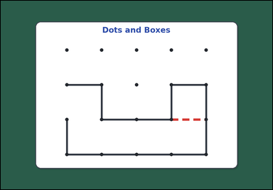 | 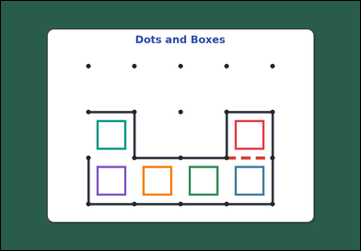 | task_games_dots_and_boxes_capture_count | forced_turn_capture_count | Look at the dots-and-boxes board in the image. It shows one visible dots-and-boxes board with some edges already drawn and one missing edge highlighted on a green table. Determine the requested turn-capture value from the visible board. Starting from the highlighted edge, how many boxes are captured before the turn ends? If drawing an edge completes a box, the player captures that box and keeps the turn. Continue following the forced box-completing move each time until no more boxes can be completed. Answer with an integer. Return a valid JSON object with keys "evidence" and "answer" in that order. Evidence requirement: set "evidence" to an array of bounding boxes [x1, y1, x2, y2] for every box that will be captured during that turn. Answer format: set "answer" to the total number of boxes captured during that turn. Example JSON: {"evidence": [[180, 220, 300, 340], [310, 220, 430, 340]], "answer": 2} | Look at the dots-and-boxes board in the image. It shows one visible dots-and-boxes board with some edges already drawn and one missing edge highlighted on a green table. Determine the requested turn-capture value from the visible board. Starting from the highlighted edge, how many boxes are captured before the turn ends? If drawing an edge completes a box, the player captures that box and keeps the turn. Continue following the forced box-completing move each time until no more boxes can be completed. Answer with an integer. Return a valid JSON object with key "answer". Answer requirement: set "answer" to the total number of boxes captured during that turn. Example JSON: {"answer": 2} | {"evidence": [[768.573, 392.573, 865.427, 489.427], [768.573, 543.907, 865.427, 640.76], [617.24, 543.907, 714.093, 640.76], [465.907, 543.907, 562.76, 640.76], [314.573, 543.907, 411.427, 640.76], [314.573, 392.573, 411.427, 489.427]], "answer": 6} | [[768.573, 392.573, 865.427, 489.427], [768.573, 543.907, 865.427, 640.76], [617.24, 543.907, 714.093, 640.76], [465.907, 543.907, 562.76, 640.76], [314.573, 543.907, 411.427, 640.76], [314.573, 392.573, 411.427, 489.427]] | integer | bbox_set | 282621548645432 | games/task_games_dots_and_boxes_capture_count/images/default/0011.png | games/task_games_dots_and_boxes_capture_count/data/default/0011.json
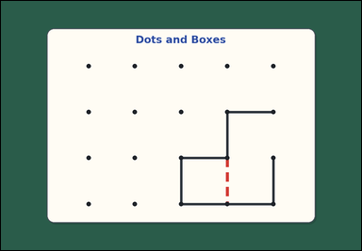 | 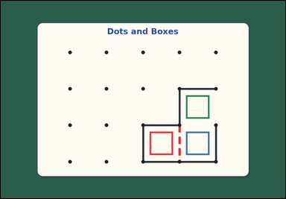 | task_games_dots_and_boxes_capture_count | forced_turn_capture_count | Look at the dots-and-boxes board in the image. It shows one visible dots-and-boxes board with some edges already drawn and one missing edge highlighted on a green table. Use the highlighted edge and the current board state to answer the question. How many boxes will the player capture this turn by drawing the highlighted edge? If drawing an edge completes a box, the player captures that box and keeps the turn. Continue following the forced box-completing move each time until no more boxes can be completed. Answer with an integer. Return a valid JSON object with keys "evidence" and "answer" in that order. Evidence format: set "evidence" to an array of bounding boxes [x1, y1, x2, y2] for every box that will be captured during that turn. Answer requirement: set "answer" to the total number of boxes captured during that turn. Example JSON: {"evidence": [[180, 220, 300, 340], [310, 220, 430, 340]], "answer": 2} | Look at the dots-and-boxes board in the image. It shows one visible dots-and-boxes board with some edges already drawn and one missing edge highlighted on a green table. Use the highlighted edge and the current board state to answer the question. How many boxes will the player capture this turn by drawing the highlighted edge? If drawing an edge completes a box, the player captures that box and keeps the turn. Continue following the forced box-completing move each time until no more boxes can be completed. Answer with an integer. Return a valid JSON object with key "answer". Answer format: set "answer" to the total number of boxes captured during that turn. Example JSON: {"answer": 2} | {"evidence": [[617.24, 543.907, 714.093, 640.76], [768.573, 543.907, 865.427, 640.76], [768.573, 392.573, 865.427, 489.427]], "answer": 3} | [[617.24, 543.907, 714.093, 640.76], [768.573, 543.907, 865.427, 640.76], [768.573, 392.573, 865.427, 489.427]] | integer | bbox_set | 841592893924536 | games/task_games_dots_and_boxes_capture_count/images/default/0006.png | games/task_games_dots_and_boxes_capture_count/data/default/0006.json
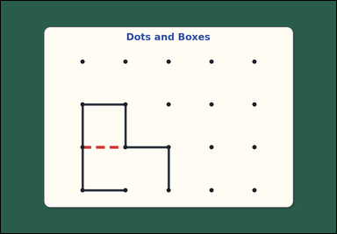 | 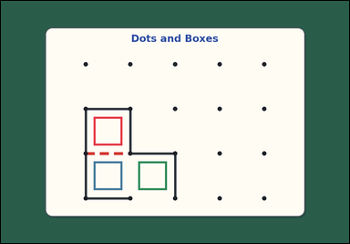 | task_games_dots_and_boxes_capture_count | forced_turn_capture_count | Look at the dots-and-boxes board in the image. It shows one visible dots-and-boxes board with some edges already drawn and one missing edge highlighted on a green table. Answer the question using the highlighted edge and the visible board state. Starting from the highlighted edge, how many boxes are captured before the turn ends? If drawing an edge completes a box, the player captures that box and keeps the turn. Continue following the forced box-completing move each time until no more boxes can be completed. Answer with an integer. Return a valid JSON object with keys "evidence" and "answer" in that order. Evidence field: set "evidence" to an array of bounding boxes [x1, y1, x2, y2] for every box that will be captured during that turn. Answer field: set "answer" to the total number of boxes captured during that turn. Example JSON: {"evidence": [[180, 220, 300, 340], [310, 220, 430, 340]], "answer": 2} | Look at the dots-and-boxes board in the image. It shows one visible dots-and-boxes board with some edges already drawn and one missing edge highlighted on a green table. Answer the question using the highlighted edge and the visible board state. Starting from the highlighted edge, how many boxes are captured before the turn ends? If drawing an edge completes a box, the player captures that box and keeps the turn. Continue following the forced box-completing move each time until no more boxes can be completed. Answer with an integer. Return a valid JSON object with key "answer". Answer format: set "answer" to the total number of boxes captured during that turn. Example JSON: {"answer": 2} | {"evidence": [[314.573, 392.573, 411.427, 489.427], [314.573, 543.907, 411.427, 640.76], [465.907, 543.907, 562.76, 640.76]], "answer": 3} | [[314.573, 392.573, 411.427, 489.427], [314.573, 543.907, 411.427, 640.76], [465.907, 543.907, 562.76, 640.76]] | integer | bbox_set | 895664913954063 | games/task_games_dots_and_boxes_capture_count/images/default/0024.png | games/task_games_dots_and_boxes_capture_count/data/default/0024.json
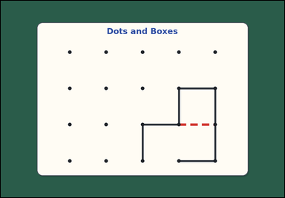 | 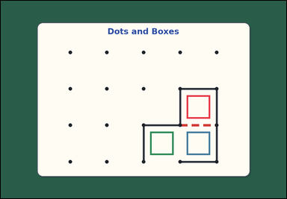 | task_games_dots_and_boxes_capture_count | forced_turn_capture_count | Look at the dots-and-boxes board in the image. It shows one visible dots-and-boxes board with some edges already drawn and one missing edge highlighted on a green table. Use the highlighted edge and the current board state to answer the question. Count the total boxes captured this turn after drawing the highlighted edge. If drawing an edge completes a box, the player captures that box and keeps the turn. Continue following the forced box-completing move each time until no more boxes can be completed. Answer with an integer. Return a valid JSON object with keys "evidence" and "answer" in that order. Evidence field: set "evidence" to an array of bounding boxes [x1, y1, x2, y2] for every box that will be captured during that turn. Answer field: set "answer" to the total number of boxes captured during that turn. Example JSON: {"evidence": [[180, 220, 300, 340], [310, 220, 430, 340]], "answer": 2} | Look at the dots-and-boxes board in the image. It shows one visible dots-and-boxes board with some edges already drawn and one missing edge highlighted on a green table. Use the highlighted edge and the current board state to answer the question. Count the total boxes captured this turn after drawing the highlighted edge. If drawing an edge completes a box, the player captures that box and keeps the turn. Continue following the forced box-completing move each time until no more boxes can be completed. Answer with an integer. Return a valid JSON object with key "answer". Answer: set "answer" to the total number of boxes captured during that turn. Example JSON: {"answer": 2} | {"evidence": [[768.573, 392.573, 865.427, 489.427], [768.573, 543.907, 865.427, 640.76], [617.24, 543.907, 714.093, 640.76]], "answer": 3} | [[768.573, 392.573, 865.427, 489.427], [768.573, 543.907, 865.427, 640.76], [617.24, 543.907, 714.093, 640.76]] | integer | bbox_set | 908740748817336 | games/task_games_dots_and_boxes_capture_count/images/default/0020.png | games/task_games_dots_and_boxes_capture_count/data/default/0020.json
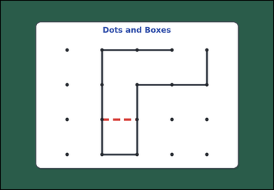 | 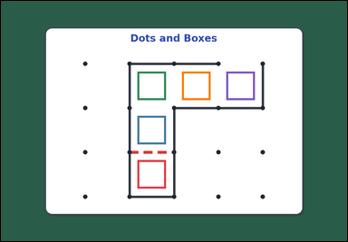 | task_games_dots_and_boxes_capture_count | forced_turn_capture_count | Work from the dots-and-boxes board shown in the image: one visible dots-and-boxes board with some edges already drawn and one missing edge highlighted on a green table. Determine the requested turn-capture value from the visible board. If drawing an edge completes a box, the player captures that box and keeps the turn. Continue following the forced box-completing move each time until no more boxes can be completed. What is the total number of boxes captured in that turn after the highlighted move? Answer with an integer. Return a valid JSON object with keys "evidence" and "answer" in that order. Evidence field: set "evidence" to an array of bounding boxes [x1, y1, x2, y2] for every box that will be captured during that turn. Answer field: set "answer" to the total number of boxes captured during that turn. Example JSON: {"evidence": [[180, 220, 300, 340], [310, 220, 430, 340]], "answer": 2} | Work from the dots-and-boxes board shown in the image: one visible dots-and-boxes board with some edges already drawn and one missing edge highlighted on a green table. Determine the requested turn-capture value from the visible board. If drawing an edge completes a box, the player captures that box and keeps the turn. Continue following the forced box-completing move each time until no more boxes can be completed. What is the total number of boxes captured in that turn after the highlighted move? Answer with an integer. Return a valid JSON object with key "answer". Answer requirement: set "answer" to the total number of boxes captured during that turn. Example JSON: {"answer": 2} | {"evidence": [[465.907, 543.907, 562.76, 640.76], [465.907, 392.573, 562.76, 489.427], [465.907, 241.24, 562.76, 338.093], [617.24, 241.24, 714.093, 338.093], [768.573, 241.24, 865.427, 338.093]], "answer": 5} | [[465.907, 543.907, 562.76, 640.76], [465.907, 392.573, 562.76, 489.427], [465.907, 241.24, 562.76, 338.093], [617.24, 241.24, 714.093, 338.093], [768.573, 241.24, 865.427, 338.093]] | integer | bbox_set | 923476195595656 | games/task_games_dots_and_boxes_capture_count/images/default/0023.png | games/task_games_dots_and_boxes_capture_count/data/default/0023.json
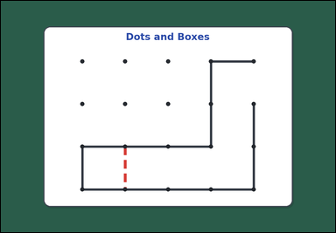 | 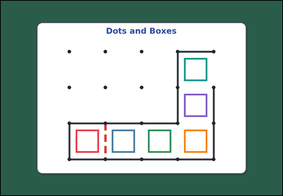 | task_games_dots_and_boxes_capture_count | forced_turn_capture_count | You are given an image with one visible dots-and-boxes board with some edges already drawn and one missing edge highlighted on a green table. Use the highlighted edge and the current board state to answer the question. If drawing an edge completes a box, the player captures that box and keeps the turn. Continue following the forced box-completing move each time until no more boxes can be completed. What is the total number of boxes captured in that turn after the highlighted move? Answer with an integer. Return a valid JSON object with keys "evidence" and "answer" in that order. Evidence field: set "evidence" to an array of bounding boxes [x1, y1, x2, y2] for every box that will be captured during that turn. Answer field: set "answer" to the total number of boxes captured during that turn. Example JSON: {"evidence": [[180, 220, 300, 340], [310, 220, 430, 340]], "answer": 2} | You are given an image with one visible dots-and-boxes board with some edges already drawn and one missing edge highlighted on a green table. Use the highlighted edge and the current board state to answer the question. If drawing an edge completes a box, the player captures that box and keeps the turn. Continue following the forced box-completing move each time until no more boxes can be completed. What is the total number of boxes captured in that turn after the highlighted move? Answer with an integer. Return a valid JSON object with key "answer". Answer rule: set "answer" to the total number of boxes captured during that turn. Example JSON: {"answer": 2} | {"evidence": [[314.573, 543.907, 411.427, 640.76], [465.907, 543.907, 562.76, 640.76], [617.24, 543.907, 714.093, 640.76], [768.573, 543.907, 865.427, 640.76], [768.573, 392.573, 865.427, 489.427], [768.573, 241.24, 865.427, 338.093]], "answer": 6} | [[314.573, 543.907, 411.427, 640.76], [465.907, 543.907, 562.76, 640.76], [617.24, 543.907, 714.093, 640.76], [768.573, 543.907, 865.427, 640.76], [768.573, 392.573, 865.427, 489.427], [768.573, 241.24, 865.427, 338.093]] | integer | bbox_set | 1.7312275863E+15 | games/task_games_dots_and_boxes_capture_count/images/default/0018.png | games/task_games_dots_and_boxes_capture_count/data/default/0018.json
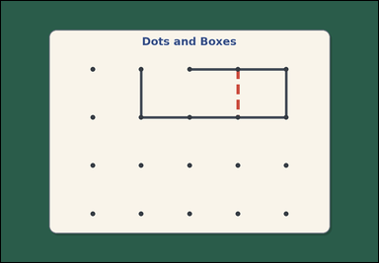 | 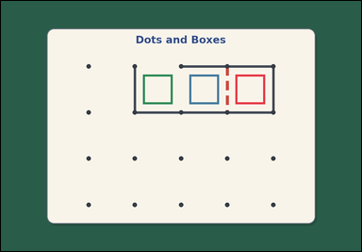 | task_games_dots_and_boxes_capture_count | forced_turn_capture_count | Look at the dots-and-boxes board in the image. It shows one visible dots-and-boxes board with some edges already drawn and one missing edge highlighted on a green table. Answer the question using the highlighted edge and the visible board state. If drawing an edge completes a box, the player captures that box and keeps the turn. Continue following the forced box-completing move each time until no more boxes can be completed. What is the total number of boxes captured in that turn after the highlighted move? Answer with an integer. Return a valid JSON object with keys "evidence" and "answer" in that order. Evidence rule: set "evidence" to an array of bounding boxes [x1, y1, x2, y2] for every box that will be captured during that turn. Answer rule: set "answer" to the total number of boxes captured during that turn. Example JSON: {"evidence": [[180, 220, 300, 340], [310, 220, 430, 340]], "answer": 2} | Look at the dots-and-boxes board in the image. It shows one visible dots-and-boxes board with some edges already drawn and one missing edge highlighted on a green table. Answer the question using the highlighted edge and the visible board state. If drawing an edge completes a box, the player captures that box and keeps the turn. Continue following the forced box-completing move each time until no more boxes can be completed. What is the total number of boxes captured in that turn after the highlighted move? Answer with an integer. Return a valid JSON object with key "answer". Answer requirement: set "answer" to the total number of boxes captured during that turn. Example JSON: {"answer": 2} | {"evidence": [[768.573, 241.24, 865.427, 338.093], [617.24, 241.24, 714.093, 338.093], [465.907, 241.24, 562.76, 338.093]], "answer": 3} | [[768.573, 241.24, 865.427, 338.093], [617.24, 241.24, 714.093, 338.093], [465.907, 241.24, 562.76, 338.093]] | integer | bbox_set | 1.845514492E+15 | games/task_games_dots_and_boxes_capture_count/images/default/0002.png | games/task_games_dots_and_boxes_capture_count/data/default/0002.json
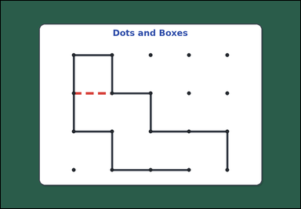 | 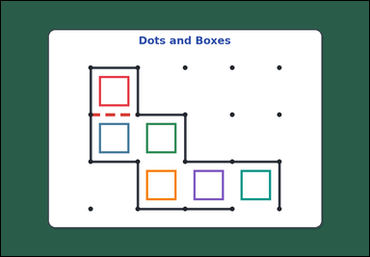 | task_games_dots_and_boxes_capture_count | forced_turn_capture_count | Use the visible dots-and-boxes board in the image. It shows one visible dots-and-boxes board with some edges already drawn and one missing edge highlighted on a green table. Determine the requested turn-capture value from the visible board. Count the total boxes captured this turn after drawing the highlighted edge. If drawing an edge completes a box, the player captures that box and keeps the turn. Continue following the forced box-completing move each time until no more boxes can be completed. Answer with an integer. Return a valid JSON object with keys "evidence" and "answer" in that order. Evidence: set "evidence" to an array of bounding boxes [x1, y1, x2, y2] for every box that will be captured during that turn. Answer: set "answer" to the total number of boxes captured during that turn. Example JSON: {"evidence": [[180, 220, 300, 340], [310, 220, 430, 340]], "answer": 2} | Use the visible dots-and-boxes board in the image. It shows one visible dots-and-boxes board with some edges already drawn and one missing edge highlighted on a green table. Determine the requested turn-capture value from the visible board. Count the total boxes captured this turn after drawing the highlighted edge. If drawing an edge completes a box, the player captures that box and keeps the turn. Continue following the forced box-completing move each time until no more boxes can be completed. Answer with an integer. Return a valid JSON object with key "answer". Answer rule: set "answer" to the total number of boxes captured during that turn. Example JSON: {"answer": 2} | {"evidence": [[314.573, 241.24, 411.427, 338.093], [314.573, 392.573, 411.427, 489.427], [465.907, 392.573, 562.76, 489.427], [465.907, 543.907, 562.76, 640.76], [617.24, 543.907, 714.093, 640.76], [768.573, 543.907, 865.427, 640.76]], "answer": 6} | [[314.573, 241.24, 411.427, 338.093], [314.573, 392.573, 411.427, 489.427], [465.907, 392.573, 562.76, 489.427], [465.907, 543.907, 562.76, 640.76], [617.24, 543.907, 714.093, 640.76], [768.573, 543.907, 865.427, 640.76]] | integer | bbox_set | 1.8521674135E+15 | games/task_games_dots_and_boxes_capture_count/images/default/0009.png | games/task_games_dots_and_boxes_capture_count/data/default/0009.json
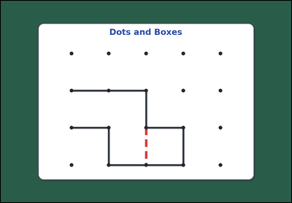 | 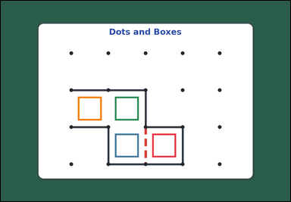 | task_games_dots_and_boxes_capture_count | forced_turn_capture_count | Work from the dots-and-boxes board shown in the image: one visible dots-and-boxes board with some edges already drawn and one missing edge highlighted on a green table. Work from the shown dots-and-boxes position to determine the requested capture count. Starting from the highlighted edge, how many boxes are captured before the turn ends? If drawing an edge completes a box, the player captures that box and keeps the turn. Continue following the forced box-completing move each time until no more boxes can be completed. Answer with an integer. Return a valid JSON object with keys "evidence" and "answer" in that order. Evidence requirement: set "evidence" to an array of bounding boxes [x1, y1, x2, y2] for every box that will be captured during that turn. Answer format: set "answer" to the total number of boxes captured during that turn. Example JSON: {"evidence": [[180, 220, 300, 340], [310, 220, 430, 340]], "answer": 2} | Work from the dots-and-boxes board shown in the image: one visible dots-and-boxes board with some edges already drawn and one missing edge highlighted on a green table. Work from the shown dots-and-boxes position to determine the requested capture count. Starting from the highlighted edge, how many boxes are captured before the turn ends? If drawing an edge completes a box, the player captures that box and keeps the turn. Continue following the forced box-completing move each time until no more boxes can be completed. Answer with an integer. Return a valid JSON object with key "answer". Answer requirement: set "answer" to the total number of boxes captured during that turn. Example JSON: {"answer": 2} | {"evidence": [[617.24, 543.907, 714.093, 640.76], [465.907, 543.907, 562.76, 640.76], [465.907, 392.573, 562.76, 489.427], [314.573, 392.573, 411.427, 489.427]], "answer": 4} | [[617.24, 543.907, 714.093, 640.76], [465.907, 543.907, 562.76, 640.76], [465.907, 392.573, 562.76, 489.427], [314.573, 392.573, 411.427, 489.427]] | integer | bbox_set | 2.9295595672E+15 | games/task_games_dots_and_boxes_capture_count/images/default/0013.png | games/task_games_dots_and_boxes_capture_count/data/default/0013.json
 |  | task_games_dots_and_boxes_capture_count | forced_turn_capture_count | Use the visible dots-and-boxes board in the image. It shows one visible dots-and-boxes board with some edges already drawn and one missing edge highlighted on a green table. Use the displayed board to answer the turn-capture question. Count the total boxes captured this turn after drawing the highlighted edge. If drawing an edge completes a box, the player captures that box and keeps the turn. Continue following the forced box-completing move each time until no more boxes can be completed. Answer with an integer. Return a valid JSON object with keys "evidence" and "answer" in that order. Evidence requirement: set "evidence" to an array of bounding boxes [x1, y1, x2, y2] for every box that will be captured during that turn. Answer format: set "answer" to the total number of boxes captured during that turn. Example JSON: {"evidence": [[180, 220, 300, 340], [310, 220, 430, 340]], "answer": 2} | Use the visible dots-and-boxes board in the image. It shows one visible dots-and-boxes board with some edges already drawn and one missing edge highlighted on a green table. Use the displayed board to answer the turn-capture question. Count the total boxes captured this turn after drawing the highlighted edge. If drawing an edge completes a box, the player captures that box and keeps the turn. Continue following the forced box-completing move each time until no more boxes can be completed. Answer with an integer. Return a valid JSON object with key "answer". Answer field: set "answer" to the total number of boxes captured during that turn. Example JSON: {"answer": 2} | {"evidence": [[617.24, 543.907, 714.093, 640.76], [768.573, 543.907, 865.427, 640.76], [768.573, 392.573, 865.427, 489.427]], "answer": 3} | [[617.24, 543.907, 714.093, 640.76], [768.573, 543.907, 865.427, 640.76], [768.573, 392.573, 865.427, 489.427]] | integer | bbox_set | 3.0752322803E+15 | games/task_games_dots_and_boxes_capture_count/images/default/0014.png | games/task_games_dots_and_boxes_capture_count/data/default/0014.json
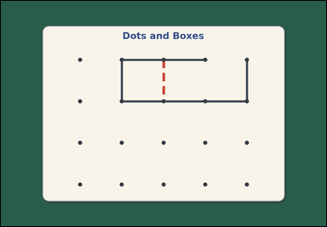 | 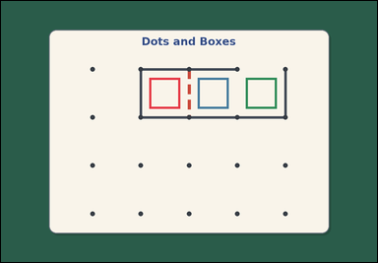 | task_games_dots_and_boxes_capture_count | forced_turn_capture_count | You are given an image with one visible dots-and-boxes board with some edges already drawn and one missing edge highlighted on a green table. Determine the requested turn-capture value from the visible board. Starting from the highlighted edge, how many boxes are captured before the turn ends? If drawing an edge completes a box, the player captures that box and keeps the turn. Continue following the forced box-completing move each time until no more boxes can be completed. Answer with an integer. Return a valid JSON object with keys "evidence" and "answer" in that order. Evidence format: set "evidence" to an array of bounding boxes [x1, y1, x2, y2] for every box that will be captured during that turn. Answer requirement: set "answer" to the total number of boxes captured during that turn. Example JSON: {"evidence": [[180, 220, 300, 340], [310, 220, 430, 340]], "answer": 2} | You are given an image with one visible dots-and-boxes board with some edges already drawn and one missing edge highlighted on a green table. Determine the requested turn-capture value from the visible board. Starting from the highlighted edge, how many boxes are captured before the turn ends? If drawing an edge completes a box, the player captures that box and keeps the turn. Continue following the forced box-completing move each time until no more boxes can be completed. Answer with an integer. Return a valid JSON object with key "answer". Answer: set "answer" to the total number of boxes captured during that turn. Example JSON: {"answer": 2} | {"evidence": [[465.907, 241.24, 562.76, 338.093], [617.24, 241.24, 714.093, 338.093], [768.573, 241.24, 865.427, 338.093]], "answer": 3} | [[465.907, 241.24, 562.76, 338.093], [617.24, 241.24, 714.093, 338.093], [768.573, 241.24, 865.427, 338.093]] | integer | bbox_set | 3.4607225074E+15 | games/task_games_dots_and_boxes_capture_count/images/default/0022.png | games/task_games_dots_and_boxes_capture_count/data/default/0022.json
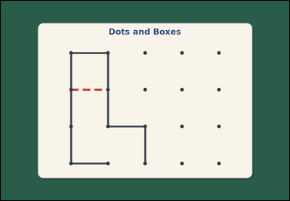 | 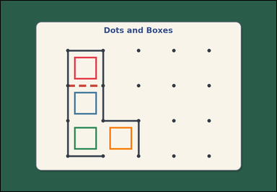 | task_games_dots_and_boxes_capture_count | forced_turn_capture_count | Use the visible dots-and-boxes board in the image. It shows one visible dots-and-boxes board with some edges already drawn and one missing edge highlighted on a green table. Use the displayed board to answer the turn-capture question. If drawing an edge completes a box, the player captures that box and keeps the turn. Continue following the forced box-completing move each time until no more boxes can be completed. What is the total number of boxes captured in that turn after the highlighted move? Answer with an integer. Return a valid JSON object with keys "evidence" and "answer" in that order. Evidence: set "evidence" to an array of bounding boxes [x1, y1, x2, y2] for every box that will be captured during that turn. Answer: set "answer" to the total number of boxes captured during that turn. Example JSON: {"evidence": [[180, 220, 300, 340], [310, 220, 430, 340]], "answer": 2} | Use the visible dots-and-boxes board in the image. It shows one visible dots-and-boxes board with some edges already drawn and one missing edge highlighted on a green table. Use the displayed board to answer the turn-capture question. If drawing an edge completes a box, the player captures that box and keeps the turn. Continue following the forced box-completing move each time until no more boxes can be completed. What is the total number of boxes captured in that turn after the highlighted move? Answer with an integer. Return a valid JSON object with key "answer". Answer field: set "answer" to the total number of boxes captured during that turn. Example JSON: {"answer": 2} | {"evidence": [[314.573, 241.24, 411.427, 338.093], [314.573, 392.573, 411.427, 489.427], [314.573, 543.907, 411.427, 640.76], [465.907, 543.907, 562.76, 640.76]], "answer": 4} | [[314.573, 241.24, 411.427, 338.093], [314.573, 392.573, 411.427, 489.427], [314.573, 543.907, 411.427, 640.76], [465.907, 543.907, 562.76, 640.76]] | integer | bbox_set | 3.8837230383E+15 | games/task_games_dots_and_boxes_capture_count/images/default/0005.png | games/task_games_dots_and_boxes_capture_count/data/default/0005.json
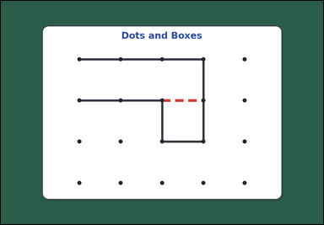 | 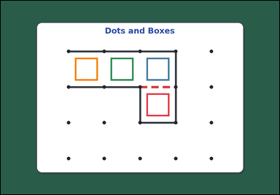 | task_games_dots_and_boxes_capture_count | forced_turn_capture_count | The image shows one visible dots-and-boxes board with some edges already drawn and one missing edge highlighted on a green table. Determine the requested turn-capture value from the visible board. How many boxes will the player capture this turn by drawing the highlighted edge? If drawing an edge completes a box, the player captures that box and keeps the turn. Continue following the forced box-completing move each time until no more boxes can be completed. Answer with an integer. Return a valid JSON object with keys "evidence" and "answer" in that order. Evidence requirement: set "evidence" to an array of bounding boxes [x1, y1, x2, y2] for every box that will be captured during that turn. Answer format: set "answer" to the total number of boxes captured during that turn. Example JSON: {"evidence": [[180, 220, 300, 340], [310, 220, 430, 340]], "answer": 2} | The image shows one visible dots-and-boxes board with some edges already drawn and one missing edge highlighted on a green table. Determine the requested turn-capture value from the visible board. How many boxes will the player capture this turn by drawing the highlighted edge? If drawing an edge completes a box, the player captures that box and keeps the turn. Continue following the forced box-completing move each time until no more boxes can be completed. Answer with an integer. Return a valid JSON object with key "answer". Answer format: set "answer" to the total number of boxes captured during that turn. Example JSON: {"answer": 2} | {"evidence": [[617.24, 392.573, 714.093, 489.427], [617.24, 241.24, 714.093, 338.093], [465.907, 241.24, 562.76, 338.093], [314.573, 241.24, 411.427, 338.093]], "answer": 4} | [[617.24, 392.573, 714.093, 489.427], [617.24, 241.24, 714.093, 338.093], [465.907, 241.24, 562.76, 338.093], [314.573, 241.24, 411.427, 338.093]] | integer | bbox_set | 3.8964225469E+15 | games/task_games_dots_and_boxes_capture_count/images/default/0008.png | games/task_games_dots_and_boxes_capture_count/data/default/0008.json
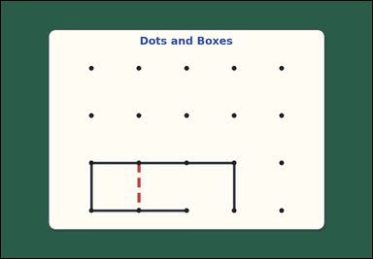 | 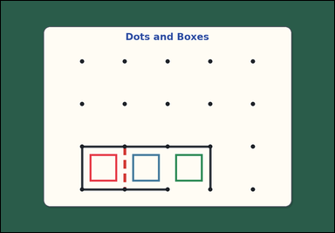 | task_games_dots_and_boxes_capture_count | forced_turn_capture_count | The image shows one visible dots-and-boxes board with some edges already drawn and one missing edge highlighted on a green table. Use the highlighted edge and the current board state to answer the question. Count the total boxes captured this turn after drawing the highlighted edge. If drawing an edge completes a box, the player captures that box and keeps the turn. Continue following the forced box-completing move each time until no more boxes can be completed. Answer with an integer. Return a valid JSON object with keys "evidence" and "answer" in that order. Evidence format: set "evidence" to an array of bounding boxes [x1, y1, x2, y2] for every box that will be captured during that turn. Answer requirement: set "answer" to the total number of boxes captured during that turn. Example JSON: {"evidence": [[180, 220, 300, 340], [310, 220, 430, 340]], "answer": 2} | The image shows one visible dots-and-boxes board with some edges already drawn and one missing edge highlighted on a green table. Use the highlighted edge and the current board state to answer the question. Count the total boxes captured this turn after drawing the highlighted edge. If drawing an edge completes a box, the player captures that box and keeps the turn. Continue following the forced box-completing move each time until no more boxes can be completed. Answer with an integer. Return a valid JSON object with key "answer". Answer format: set "answer" to the total number of boxes captured during that turn. Example JSON: {"answer": 2} | {"evidence": [[314.573, 543.907, 411.427, 640.76], [465.907, 543.907, 562.76, 640.76], [617.24, 543.907, 714.093, 640.76]], "answer": 3} | [[314.573, 543.907, 411.427, 640.76], [465.907, 543.907, 562.76, 640.76], [617.24, 543.907, 714.093, 640.76]] | integer | bbox_set | 3.9116391896E+15 | games/task_games_dots_and_boxes_capture_count/images/default/0016.png | games/task_games_dots_and_boxes_capture_count/data/default/0016.json
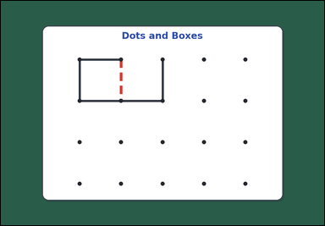 | 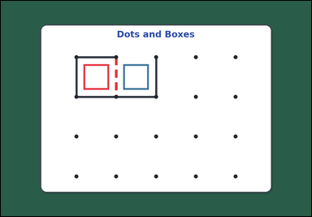 | task_games_dots_and_boxes_capture_count | forced_turn_capture_count | Look at the dots-and-boxes board in the image. It shows one visible dots-and-boxes board with some edges already drawn and one missing edge highlighted on a green table. Answer the question using the highlighted edge and the visible board state. Starting from the highlighted edge, how many boxes are captured before the turn ends? If drawing an edge completes a box, the player captures that box and keeps the turn. Continue following the forced box-completing move each time until no more boxes can be completed. Answer with an integer. Return a valid JSON object with keys "evidence" and "answer" in that order. Evidence format: set "evidence" to an array of bounding boxes [x1, y1, x2, y2] for every box that will be captured during that turn. Answer requirement: set "answer" to the total number of boxes captured during that turn. Example JSON: {"evidence": [[180, 220, 300, 340], [310, 220, 430, 340]], "answer": 2} | Look at the dots-and-boxes board in the image. It shows one visible dots-and-boxes board with some edges already drawn and one missing edge highlighted on a green table. Answer the question using the highlighted edge and the visible board state. Starting from the highlighted edge, how many boxes are captured before the turn ends? If drawing an edge completes a box, the player captures that box and keeps the turn. Continue following the forced box-completing move each time until no more boxes can be completed. Answer with an integer. Return a valid JSON object with key "answer". Answer field: set "answer" to the total number of boxes captured during that turn. Example JSON: {"answer": 2} | {"evidence": [[314.573, 241.24, 411.427, 338.093], [465.907, 241.24, 562.76, 338.093]], "answer": 2} | [[314.573, 241.24, 411.427, 338.093], [465.907, 241.24, 562.76, 338.093]] | integer | bbox_set | 3.9275508767E+15 | games/task_games_dots_and_boxes_capture_count/images/default/0000.png | games/task_games_dots_and_boxes_capture_count/data/default/0000.json
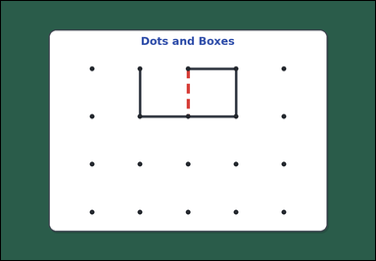 | 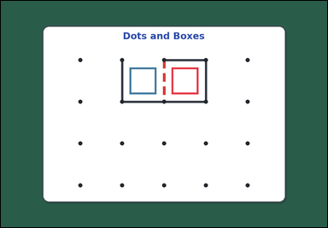 | task_games_dots_and_boxes_capture_count | forced_turn_capture_count | The image shows one visible dots-and-boxes board with some edges already drawn and one missing edge highlighted on a green table. Determine the requested turn-capture value from the visible board. How many boxes will the player capture this turn by drawing the highlighted edge? If drawing an edge completes a box, the player captures that box and keeps the turn. Continue following the forced box-completing move each time until no more boxes can be completed. Answer with an integer. Return a valid JSON object with keys "evidence" and "answer" in that order. Evidence field: set "evidence" to an array of bounding boxes [x1, y1, x2, y2] for every box that will be captured during that turn. Answer field: set "answer" to the total number of boxes captured during that turn. Example JSON: {"evidence": [[180, 220, 300, 340], [310, 220, 430, 340]], "answer": 2} | The image shows one visible dots-and-boxes board with some edges already drawn and one missing edge highlighted on a green table. Determine the requested turn-capture value from the visible board. How many boxes will the player capture this turn by drawing the highlighted edge? If drawing an edge completes a box, the player captures that box and keeps the turn. Continue following the forced box-completing move each time until no more boxes can be completed. Answer with an integer. Return a valid JSON object with key "answer". Answer field: set "answer" to the total number of boxes captured during that turn. Example JSON: {"answer": 2} | {"evidence": [[617.24, 241.24, 714.093, 338.093], [465.907, 241.24, 562.76, 338.093]], "answer": 2} | [[617.24, 241.24, 714.093, 338.093], [465.907, 241.24, 562.76, 338.093]] | integer | bbox_set | 4.085597567E+15 | games/task_games_dots_and_boxes_capture_count/images/default/0021.png | games/task_games_dots_and_boxes_capture_count/data/default/0021.json
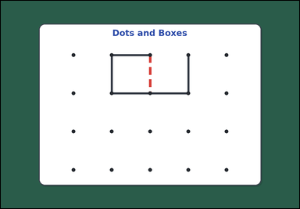 | 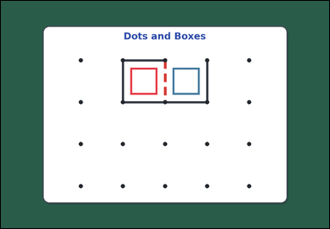 | task_games_dots_and_boxes_capture_count | forced_turn_capture_count | Use the visible dots-and-boxes board in the image. It shows one visible dots-and-boxes board with some edges already drawn and one missing edge highlighted on a green table. Determine the requested turn-capture value from the visible board. Starting from the highlighted edge, how many boxes are captured before the turn ends? If drawing an edge completes a box, the player captures that box and keeps the turn. Continue following the forced box-completing move each time until no more boxes can be completed. Answer with an integer. Return a valid JSON object with keys "evidence" and "answer" in that order. Evidence rule: set "evidence" to an array of bounding boxes [x1, y1, x2, y2] for every box that will be captured during that turn. Answer rule: set "answer" to the total number of boxes captured during that turn. Example JSON: {"evidence": [[180, 220, 300, 340], [310, 220, 430, 340]], "answer": 2} | Use the visible dots-and-boxes board in the image. It shows one visible dots-and-boxes board with some edges already drawn and one missing edge highlighted on a green table. Determine the requested turn-capture value from the visible board. Starting from the highlighted edge, how many boxes are captured before the turn ends? If drawing an edge completes a box, the player captures that box and keeps the turn. Continue following the forced box-completing move each time until no more boxes can be completed. Answer with an integer. Return a valid JSON object with key "answer". Answer requirement: set "answer" to the total number of boxes captured during that turn. Example JSON: {"answer": 2} | {"evidence": [[465.907, 241.24, 562.76, 338.093], [617.24, 241.24, 714.093, 338.093]], "answer": 2} | [[465.907, 241.24, 562.76, 338.093], [617.24, 241.24, 714.093, 338.093]] | integer | bbox_set | 4.4636594317E+15 | games/task_games_dots_and_boxes_capture_count/images/default/0015.png | games/task_games_dots_and_boxes_capture_count/data/default/0015.json
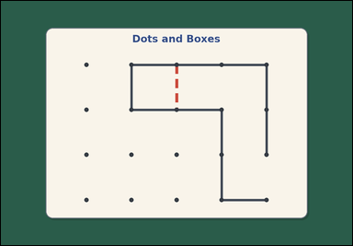 | 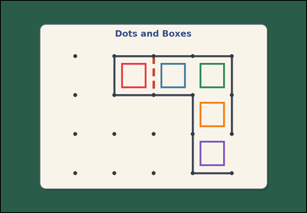 | task_games_dots_and_boxes_capture_count | forced_turn_capture_count | You are given an image with one visible dots-and-boxes board with some edges already drawn and one missing edge highlighted on a green table. Use the displayed board to answer the turn-capture question. If drawing an edge completes a box, the player captures that box and keeps the turn. Continue following the forced box-completing move each time until no more boxes can be completed. What is the total number of boxes captured in that turn after the highlighted move? Answer with an integer. Return a valid JSON object with keys "evidence" and "answer" in that order. Evidence field: set "evidence" to an array of bounding boxes [x1, y1, x2, y2] for every box that will be captured during that turn. Answer field: set "answer" to the total number of boxes captured during that turn. Example JSON: {"evidence": [[180, 220, 300, 340], [310, 220, 430, 340]], "answer": 2} | You are given an image with one visible dots-and-boxes board with some edges already drawn and one missing edge highlighted on a green table. Use the displayed board to answer the turn-capture question. If drawing an edge completes a box, the player captures that box and keeps the turn. Continue following the forced box-completing move each time until no more boxes can be completed. What is the total number of boxes captured in that turn after the highlighted move? Answer with an integer. Return a valid JSON object with key "answer". Answer format: set "answer" to the total number of boxes captured during that turn. Example JSON: {"answer": 2} | {"evidence": [[465.907, 241.24, 562.76, 338.093], [617.24, 241.24, 714.093, 338.093], [768.573, 241.24, 865.427, 338.093], [768.573, 392.573, 865.427, 489.427], [768.573, 543.907, 865.427, 640.76]], "answer": 5} | [[465.907, 241.24, 562.76, 338.093], [617.24, 241.24, 714.093, 338.093], [768.573, 241.24, 865.427, 338.093], [768.573, 392.573, 865.427, 489.427], [768.573, 543.907, 865.427, 640.76]] | integer | bbox_set | 4.515901387E+15 | games/task_games_dots_and_boxes_capture_count/images/default/0007.png | games/task_games_dots_and_boxes_capture_count/data/default/0007.json
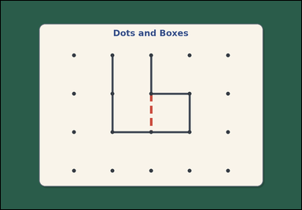 | 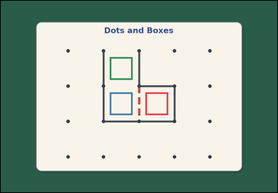 | task_games_dots_and_boxes_capture_count | forced_turn_capture_count | Look at the dots-and-boxes board in the image. It shows one visible dots-and-boxes board with some edges already drawn and one missing edge highlighted on a green table. Answer the question using the highlighted edge and the visible board state. Count the total boxes captured this turn after drawing the highlighted edge. If drawing an edge completes a box, the player captures that box and keeps the turn. Continue following the forced box-completing move each time until no more boxes can be completed. Answer with an integer. Return a valid JSON object with keys "evidence" and "answer" in that order. Evidence: set "evidence" to an array of bounding boxes [x1, y1, x2, y2] for every box that will be captured during that turn. Answer: set "answer" to the total number of boxes captured during that turn. Example JSON: {"evidence": [[180, 220, 300, 340], [310, 220, 430, 340]], "answer": 2} | Look at the dots-and-boxes board in the image. It shows one visible dots-and-boxes board with some edges already drawn and one missing edge highlighted on a green table. Answer the question using the highlighted edge and the visible board state. Count the total boxes captured this turn after drawing the highlighted edge. If drawing an edge completes a box, the player captures that box and keeps the turn. Continue following the forced box-completing move each time until no more boxes can be completed. Answer with an integer. Return a valid JSON object with key "answer". Answer requirement: set "answer" to the total number of boxes captured during that turn. Example JSON: {"answer": 2} | {"evidence": [[617.24, 392.573, 714.093, 489.427], [465.907, 392.573, 562.76, 489.427], [465.907, 241.24, 562.76, 338.093]], "answer": 3} | [[617.24, 392.573, 714.093, 489.427], [465.907, 392.573, 562.76, 489.427], [465.907, 241.24, 562.76, 338.093]] | integer | bbox_set | 4.5614492854E+15 | games/task_games_dots_and_boxes_capture_count/images/default/0004.png | games/task_games_dots_and_boxes_capture_count/data/default/0004.json
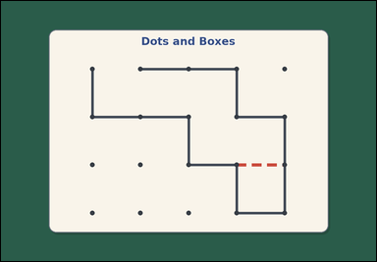 | 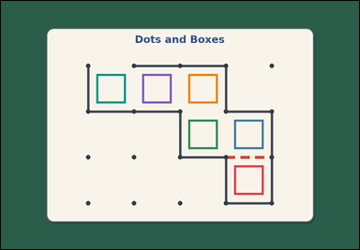 | task_games_dots_and_boxes_capture_count | forced_turn_capture_count | Look at the dots-and-boxes board in the image. It shows one visible dots-and-boxes board with some edges already drawn and one missing edge highlighted on a green table. Use the highlighted edge and the current board state to answer the question. How many boxes will the player capture this turn by drawing the highlighted edge? If drawing an edge completes a box, the player captures that box and keeps the turn. Continue following the forced box-completing move each time until no more boxes can be completed. Answer with an integer. Return a valid JSON object with keys "evidence" and "answer" in that order. Evidence: set "evidence" to an array of bounding boxes [x1, y1, x2, y2] for every box that will be captured during that turn. Answer: set "answer" to the total number of boxes captured during that turn. Example JSON: {"evidence": [[180, 220, 300, 340], [310, 220, 430, 340]], "answer": 2} | Look at the dots-and-boxes board in the image. It shows one visible dots-and-boxes board with some edges already drawn and one missing edge highlighted on a green table. Use the highlighted edge and the current board state to answer the question. How many boxes will the player capture this turn by drawing the highlighted edge? If drawing an edge completes a box, the player captures that box and keeps the turn. Continue following the forced box-completing move each time until no more boxes can be completed. Answer with an integer. Return a valid JSON object with key "answer". Answer field: set "answer" to the total number of boxes captured during that turn. Example JSON: {"answer": 2} | {"evidence": [[768.573, 543.907, 865.427, 640.76], [768.573, 392.573, 865.427, 489.427], [617.24, 392.573, 714.093, 489.427], [617.24, 241.24, 714.093, 338.093], [465.907, 241.24, 562.76, 338.093], [314.573, 241.24, 411.427, 338.093]], "answer": 6} | [[768.573, 543.907, 865.427, 640.76], [768.573, 392.573, 865.427, 489.427], [617.24, 392.573, 714.093, 489.427], [617.24, 241.24, 714.093, 338.093], [465.907, 241.24, 562.76, 338.093], [314.573, 241.24, 411.427, 338.093]] | integer | bbox_set | 5.0316398935E+15 | games/task_games_dots_and_boxes_capture_count/images/default/0017.png | games/task_games_dots_and_boxes_capture_count/data/default/0017.json
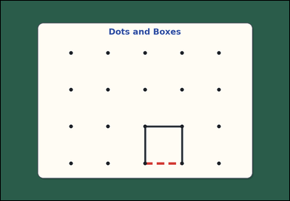 | 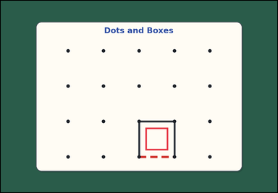 | task_games_dots_and_boxes_capture_count | forced_turn_capture_count | You are given an image with one visible dots-and-boxes board with some edges already drawn and one missing edge highlighted on a green table. Answer the question using the highlighted edge and the visible board state. If drawing an edge completes a box, the player captures that box and keeps the turn. Continue following the forced box-completing move each time until no more boxes can be completed. What is the total number of boxes captured in that turn after the highlighted move? Answer with an integer. Return a valid JSON object with keys "evidence" and "answer" in that order. Evidence requirement: set "evidence" to an array of bounding boxes [x1, y1, x2, y2] for every box that will be captured during that turn. Answer format: set "answer" to the total number of boxes captured during that turn. Example JSON: {"evidence": [[180, 220, 300, 340], [310, 220, 430, 340]], "answer": 2} | You are given an image with one visible dots-and-boxes board with some edges already drawn and one missing edge highlighted on a green table. Answer the question using the highlighted edge and the visible board state. If drawing an edge completes a box, the player captures that box and keeps the turn. Continue following the forced box-completing move each time until no more boxes can be completed. What is the total number of boxes captured in that turn after the highlighted move? Answer with an integer. Return a valid JSON object with key "answer". Answer: set "answer" to the total number of boxes captured during that turn. Example JSON: {"answer": 2} | {"evidence": [[617.24, 543.907, 714.093, 640.76]], "answer": 1} | [[617.24, 543.907, 714.093, 640.76]] | integer | bbox_set | 5.5975475363E+15 | games/task_games_dots_and_boxes_capture_count/images/default/0019.png | games/task_games_dots_and_boxes_capture_count/data/default/0019.json
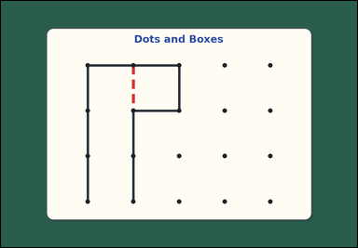 | 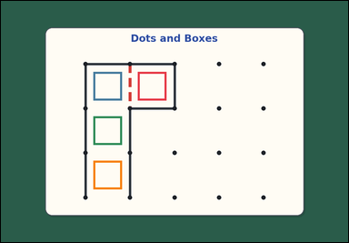 | task_games_dots_and_boxes_capture_count | forced_turn_capture_count | Look at the dots-and-boxes board in the image. It shows one visible dots-and-boxes board with some edges already drawn and one missing edge highlighted on a green table. Answer the question using the highlighted edge and the visible board state. How many boxes will the player capture this turn by drawing the highlighted edge? If drawing an edge completes a box, the player captures that box and keeps the turn. Continue following the forced box-completing move each time until no more boxes can be completed. Answer with an integer. Return a valid JSON object with keys "evidence" and "answer" in that order. Evidence: set "evidence" to an array of bounding boxes [x1, y1, x2, y2] for every box that will be captured during that turn. Answer: set "answer" to the total number of boxes captured during that turn. Example JSON: {"evidence": [[180, 220, 300, 340], [310, 220, 430, 340]], "answer": 2} | Look at the dots-and-boxes board in the image. It shows one visible dots-and-boxes board with some edges already drawn and one missing edge highlighted on a green table. Answer the question using the highlighted edge and the visible board state. How many boxes will the player capture this turn by drawing the highlighted edge? If drawing an edge completes a box, the player captures that box and keeps the turn. Continue following the forced box-completing move each time until no more boxes can be completed. Answer with an integer. Return a valid JSON object with key "answer". Answer format: set "answer" to the total number of boxes captured during that turn. Example JSON: {"answer": 2} | {"evidence": [[465.907, 241.24, 562.76, 338.093], [314.573, 241.24, 411.427, 338.093], [314.573, 392.573, 411.427, 489.427], [314.573, 543.907, 411.427, 640.76]], "answer": 4} | [[465.907, 241.24, 562.76, 338.093], [314.573, 241.24, 411.427, 338.093], [314.573, 392.573, 411.427, 489.427], [314.573, 543.907, 411.427, 640.76]] | integer | bbox_set | 6.9975670422E+15 | games/task_games_dots_and_boxes_capture_count/images/default/0010.png | games/task_games_dots_and_boxes_capture_count/data/default/0010.json
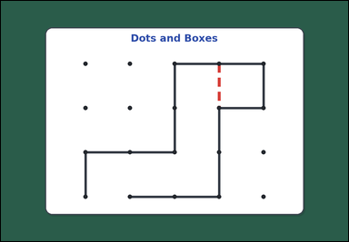 | 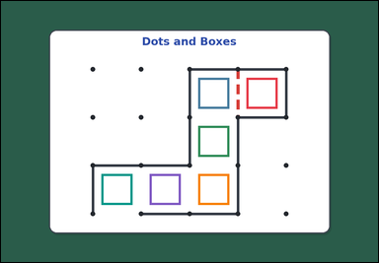 | task_games_dots_and_boxes_capture_count | forced_turn_capture_count | You are given an image with one visible dots-and-boxes board with some edges already drawn and one missing edge highlighted on a green table. Use the highlighted edge and the current board state to answer the question. If drawing an edge completes a box, the player captures that box and keeps the turn. Continue following the forced box-completing move each time until no more boxes can be completed. What is the total number of boxes captured in that turn after the highlighted move? Answer with an integer. Return a valid JSON object with keys "evidence" and "answer" in that order. Evidence rule: set "evidence" to an array of bounding boxes [x1, y1, x2, y2] for every box that will be captured during that turn. Answer rule: set "answer" to the total number of boxes captured during that turn. Example JSON: {"evidence": [[180, 220, 300, 340], [310, 220, 430, 340]], "answer": 2} | You are given an image with one visible dots-and-boxes board with some edges already drawn and one missing edge highlighted on a green table. Use the highlighted edge and the current board state to answer the question. If drawing an edge completes a box, the player captures that box and keeps the turn. Continue following the forced box-completing move each time until no more boxes can be completed. What is the total number of boxes captured in that turn after the highlighted move? Answer with an integer. Return a valid JSON object with key "answer". Answer rule: set "answer" to the total number of boxes captured during that turn. Example JSON: {"answer": 2} | {"evidence": [[768.573, 241.24, 865.427, 338.093], [617.24, 241.24, 714.093, 338.093], [617.24, 392.573, 714.093, 489.427], [617.24, 543.907, 714.093, 640.76], [465.907, 543.907, 562.76, 640.76], [314.573, 543.907, 411.427, 640.76]], "answer": 6} | [[768.573, 241.24, 865.427, 338.093], [617.24, 241.24, 714.093, 338.093], [617.24, 392.573, 714.093, 489.427], [617.24, 543.907, 714.093, 640.76], [465.907, 543.907, 562.76, 640.76], [314.573, 543.907, 411.427, 640.76]] | integer | bbox_set | 7.9808175016E+15 | games/task_games_dots_and_boxes_capture_count/images/default/0001.png | games/task_games_dots_and_boxes_capture_count/data/default/0001.json
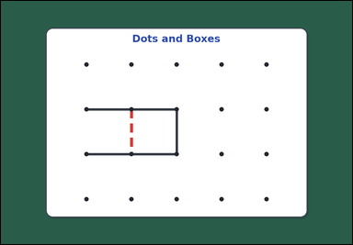 | 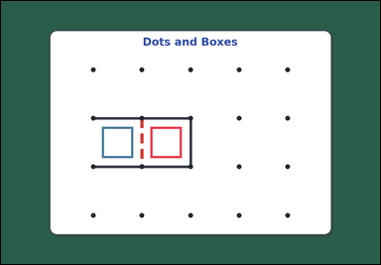 | task_games_dots_and_boxes_capture_count | forced_turn_capture_count | Look at the dots-and-boxes board in the image. It shows one visible dots-and-boxes board with some edges already drawn and one missing edge highlighted on a green table. Use the highlighted edge and the current board state to answer the question. Starting from the highlighted edge, how many boxes are captured before the turn ends? If drawing an edge completes a box, the player captures that box and keeps the turn. Continue following the forced box-completing move each time until no more boxes can be completed. Answer with an integer. Return a valid JSON object with keys "evidence" and "answer" in that order. Evidence format: set "evidence" to an array of bounding boxes [x1, y1, x2, y2] for every box that will be captured during that turn. Answer requirement: set "answer" to the total number of boxes captured during that turn. Example JSON: {"evidence": [[180, 220, 300, 340], [310, 220, 430, 340]], "answer": 2} | Look at the dots-and-boxes board in the image. It shows one visible dots-and-boxes board with some edges already drawn and one missing edge highlighted on a green table. Use the highlighted edge and the current board state to answer the question. Starting from the highlighted edge, how many boxes are captured before the turn ends? If drawing an edge completes a box, the player captures that box and keeps the turn. Continue following the forced box-completing move each time until no more boxes can be completed. Answer with an integer. Return a valid JSON object with key "answer". Answer field: set "answer" to the total number of boxes captured during that turn. Example JSON: {"answer": 2} | {"evidence": [[465.907, 392.573, 562.76, 489.427], [314.573, 392.573, 411.427, 489.427]], "answer": 2} | [[465.907, 392.573, 562.76, 489.427], [314.573, 392.573, 411.427, 489.427]] | integer | bbox_set | 8.0648820103E+15 | games/task_games_dots_and_boxes_capture_count/images/default/0012.png | games/task_games_dots_and_boxes_capture_count/data/default/0012.json
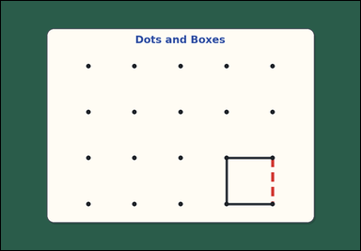 | 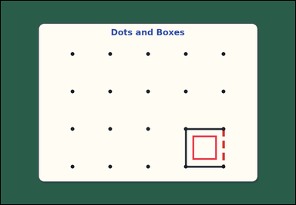 | task_games_dots_and_boxes_capture_count | forced_turn_capture_count | The image shows one visible dots-and-boxes board with some edges already drawn and one missing edge highlighted on a green table. Use the highlighted edge and the current board state to answer the question. If drawing an edge completes a box, the player captures that box and keeps the turn. Continue following the forced box-completing move each time until no more boxes can be completed. If the player draws the highlighted edge, how many boxes will be captured this turn? Answer with an integer. Return a valid JSON object with keys "evidence" and "answer" in that order. Evidence format: set "evidence" to an array of bounding boxes [x1, y1, x2, y2] for every box that will be captured during that turn. Answer requirement: set "answer" to the total number of boxes captured during that turn. Example JSON: {"evidence": [[180, 220, 300, 340], [310, 220, 430, 340]], "answer": 2} | The image shows one visible dots-and-boxes board with some edges already drawn and one missing edge highlighted on a green table. Use the highlighted edge and the current board state to answer the question. If drawing an edge completes a box, the player captures that box and keeps the turn. Continue following the forced box-completing move each time until no more boxes can be completed. If the player draws the highlighted edge, how many boxes will be captured this turn? Answer with an integer. Return a valid JSON object with key "answer". Answer field: set "answer" to the total number of boxes captured during that turn. Example JSON: {"answer": 2} | {"evidence": [[768.573, 543.907, 865.427, 640.76]], "answer": 1} | [[768.573, 543.907, 865.427, 640.76]] | integer | bbox_set | 8.0694845669E+15 | games/task_games_dots_and_boxes_capture_count/images/default/0003.png | games/task_games_dots_and_boxes_capture_count/data/default/0003.json

