bounce_count
image | evidence_image | task | task_variant | prompt | prompt_answer_only | answer | answer_evidence | answer_type | evidence_type | instance_seed | image_path | data_path
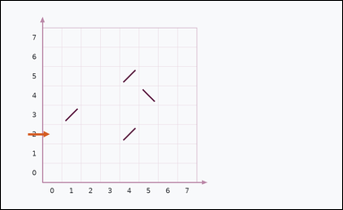 | 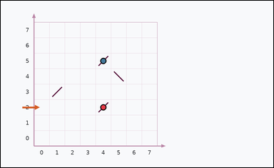 | task_physics_optics_ray_trace | bounce_count | Look at the optics diagram in the image. It shows one optics diagram on graph paper with an initial ray direction and four diagonal mirrors. Answer by inferring how the ray travels after the shown initial direction. Follow the implied ray path and count the mirror bounces before exit. What is the count? Return a valid JSON object with keys "evidence" and "answer" in that order. Evidence field: set "evidence" to an array of graph points [x, y] for each mirror-bounce point of the implied ray path. Answer field: set "answer" to the requested count as an integer. Example JSON: {"evidence":[[0,0],[4,0]],"answer":8} | Look at the optics diagram in the image. It shows one optics diagram on graph paper with an initial ray direction and four diagonal mirrors. Answer by inferring how the ray travels after the shown initial direction. Follow the implied ray path and count the mirror bounces before exit. What is the count? Return a valid JSON object with key "answer". Answer: set "answer" to the requested count as an integer. Example JSON: {"answer":8} | {"evidence": [[4, 2], [4, 5]], "answer": 2} | [[4, 2], [4, 5]] | integer | graph_point_set | 199886178866262 | physics/task_physics_optics_ray_trace/images/bounce_count/0011.png | physics/task_physics_optics_ray_trace/data/bounce_count/0011.json
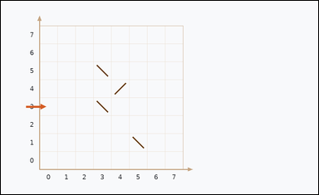 | 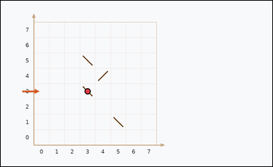 | task_physics_optics_ray_trace | bounce_count | You are given an image with one optics diagram on graph paper with an initial ray direction and four diagonal mirrors. Use the shown initial ray direction and the mirrors to infer the full ray path. What is the total number of mirror bounces in the implied ray path? Answer with an integer. Return a valid JSON object with keys "evidence" and "answer" in that order. Evidence field: set "evidence" to an array of graph points [x, y] for each mirror-bounce point of the implied ray path. Answer field: set "answer" to the requested count as an integer. Example JSON: {"evidence":[[0,0],[4,0]],"answer":8} | You are given an image with one optics diagram on graph paper with an initial ray direction and four diagonal mirrors. Use the shown initial ray direction and the mirrors to infer the full ray path. What is the total number of mirror bounces in the implied ray path? Answer with an integer. Return a valid JSON object with key "answer". Answer format: set "answer" to the requested count as an integer. Example JSON: {"answer":8} | {"evidence": [[3, 3]], "answer": 1} | [[3, 3]] | integer | graph_point_set | 227712495541926 | physics/task_physics_optics_ray_trace/images/bounce_count/0006.png | physics/task_physics_optics_ray_trace/data/bounce_count/0006.json
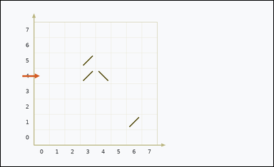 | 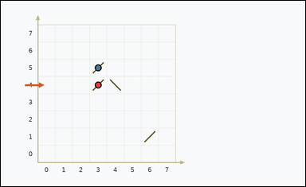 | task_physics_optics_ray_trace | bounce_count | The image shows one optics diagram on graph paper with an initial ray direction and four diagonal mirrors. Answer by inferring how the ray travels after the shown initial direction. What is the total number of mirror bounces in the implied ray path? Answer with an integer. Return a valid JSON object with keys "evidence" and "answer" in that order. Evidence: set "evidence" to an array of graph points [x, y] for each mirror-bounce point of the implied ray path. Answer: set "answer" to the requested count as an integer. Example JSON: {"evidence":[[0,0],[4,0]],"answer":8} | The image shows one optics diagram on graph paper with an initial ray direction and four diagonal mirrors. Answer by inferring how the ray travels after the shown initial direction. What is the total number of mirror bounces in the implied ray path? Answer with an integer. Return a valid JSON object with key "answer". Answer field: set "answer" to the requested count as an integer. Example JSON: {"answer":8} | {"evidence": [[3, 4], [3, 5]], "answer": 2} | [[3, 4], [3, 5]] | integer | graph_point_set | 269576688421452 | physics/task_physics_optics_ray_trace/images/bounce_count/0014.png | physics/task_physics_optics_ray_trace/data/bounce_count/0014.json
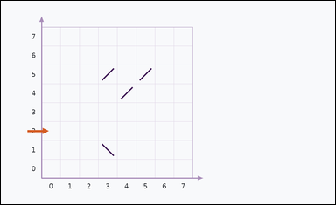 |  | task_physics_optics_ray_trace | bounce_count | You are given an image with one optics diagram on graph paper with an initial ray direction and four diagonal mirrors. Use the shown initial ray direction and the mirrors to infer the full ray path. Infer the ray path. How many mirror reflections happen before the ray exits the grid? Answer with an integer. Return a valid JSON object with keys "evidence" and "answer" in that order. Evidence rule: set "evidence" to an array of graph points [x, y] for each mirror-bounce point of the implied ray path. Answer rule: set "answer" to the requested count as an integer. Example JSON: {"evidence":[[0,0],[4,0]],"answer":8} | You are given an image with one optics diagram on graph paper with an initial ray direction and four diagonal mirrors. Use the shown initial ray direction and the mirrors to infer the full ray path. Infer the ray path. How many mirror reflections happen before the ray exits the grid? Answer with an integer. Return a valid JSON object with key "answer". Answer rule: set "answer" to the requested count as an integer. Example JSON: {"answer":8} | {"evidence": [], "answer": 0} | [] | integer | graph_point_set | 287778276721395 | physics/task_physics_optics_ray_trace/images/bounce_count/0015.png | physics/task_physics_optics_ray_trace/data/bounce_count/0015.json
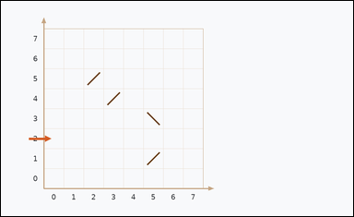 |  | task_physics_optics_ray_trace | bounce_count | The image shows one optics diagram on graph paper with an initial ray direction and four diagonal mirrors. Trace the implied ray path through the mirrors to determine the requested count. Follow the implied ray path and count the mirror bounces before exit. What is the count? Return a valid JSON object with keys "evidence" and "answer" in that order. Evidence: set "evidence" to an array of graph points [x, y] for each mirror-bounce point of the implied ray path. Answer: set "answer" to the requested count as an integer. Example JSON: {"evidence":[[0,0],[4,0]],"answer":8} | The image shows one optics diagram on graph paper with an initial ray direction and four diagonal mirrors. Trace the implied ray path through the mirrors to determine the requested count. Follow the implied ray path and count the mirror bounces before exit. What is the count? Return a valid JSON object with key "answer". Answer format: set "answer" to the requested count as an integer. Example JSON: {"answer":8} | {"evidence": [], "answer": 0} | [] | integer | graph_point_set | 583545697815195 | physics/task_physics_optics_ray_trace/images/bounce_count/0018.png | physics/task_physics_optics_ray_trace/data/bounce_count/0018.json
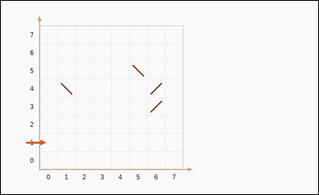 |  | task_physics_optics_ray_trace | bounce_count | You are given an image with one optics diagram on graph paper with an initial ray direction and four diagonal mirrors. Trace the implied ray path through the mirrors to determine the requested count. What is the total number of mirror bounces in the implied ray path? Answer with an integer. Return a valid JSON object with keys "evidence" and "answer" in that order. Evidence rule: set "evidence" to an array of graph points [x, y] for each mirror-bounce point of the implied ray path. Answer rule: set "answer" to the requested count as an integer. Example JSON: {"evidence":[[0,0],[4,0]],"answer":8} | You are given an image with one optics diagram on graph paper with an initial ray direction and four diagonal mirrors. Trace the implied ray path through the mirrors to determine the requested count. What is the total number of mirror bounces in the implied ray path? Answer with an integer. Return a valid JSON object with key "answer". Answer format: set "answer" to the requested count as an integer. Example JSON: {"answer":8} | {"evidence": [], "answer": 0} | [] | integer | graph_point_set | 1.7239588492E+15 | physics/task_physics_optics_ray_trace/images/bounce_count/0007.png | physics/task_physics_optics_ray_trace/data/bounce_count/0007.json
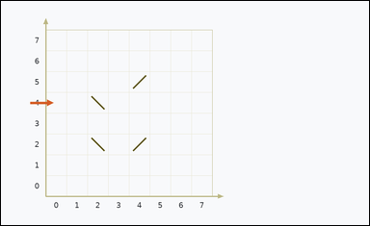 | 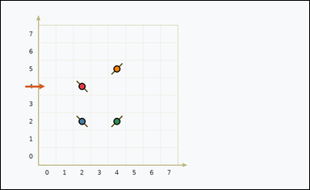 | task_physics_optics_ray_trace | bounce_count | Use the graph-paper optics diagram in the image. It shows one optics diagram on graph paper with an initial ray direction and four diagonal mirrors. Work out the hidden ray path from the initial direction and the mirrors to answer the question. What is the total number of mirror bounces in the implied ray path? Answer with an integer. Return a valid JSON object with keys "evidence" and "answer" in that order. Evidence requirement: set "evidence" to an array of graph points [x, y] for each mirror-bounce point of the implied ray path. Answer format: set "answer" to the requested count as an integer. Example JSON: {"evidence":[[0,0],[4,0]],"answer":8} | Use the graph-paper optics diagram in the image. It shows one optics diagram on graph paper with an initial ray direction and four diagonal mirrors. Work out the hidden ray path from the initial direction and the mirrors to answer the question. What is the total number of mirror bounces in the implied ray path? Answer with an integer. Return a valid JSON object with key "answer". Answer field: set "answer" to the requested count as an integer. Example JSON: {"answer":8} | {"evidence": [[2, 4], [2, 2], [4, 2], [4, 5]], "answer": 4} | [[2, 4], [2, 2], [4, 2], [4, 5]] | integer | graph_point_set | 2.4244029428E+15 | physics/task_physics_optics_ray_trace/images/bounce_count/0002.png | physics/task_physics_optics_ray_trace/data/bounce_count/0002.json
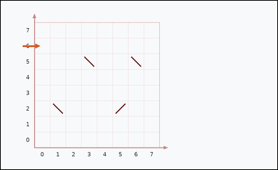 |  | task_physics_optics_ray_trace | bounce_count | Use the graph-paper optics diagram in the image. It shows one optics diagram on graph paper with an initial ray direction and four diagonal mirrors. Use the shown initial ray direction and the mirrors to infer the full ray path. Infer the ray path. How many mirror reflections happen before the ray exits the grid? Answer with an integer. Return a valid JSON object with keys "evidence" and "answer" in that order. Evidence rule: set "evidence" to an array of graph points [x, y] for each mirror-bounce point of the implied ray path. Answer rule: set "answer" to the requested count as an integer. Example JSON: {"evidence":[[0,0],[4,0]],"answer":8} | Use the graph-paper optics diagram in the image. It shows one optics diagram on graph paper with an initial ray direction and four diagonal mirrors. Use the shown initial ray direction and the mirrors to infer the full ray path. Infer the ray path. How many mirror reflections happen before the ray exits the grid? Answer with an integer. Return a valid JSON object with key "answer". Answer: set "answer" to the requested count as an integer. Example JSON: {"answer":8} | {"evidence": [], "answer": 0} | [] | integer | graph_point_set | 3.4644289786E+15 | physics/task_physics_optics_ray_trace/images/bounce_count/0016.png | physics/task_physics_optics_ray_trace/data/bounce_count/0016.json
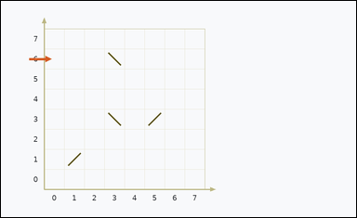 | 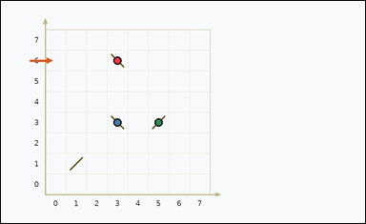 | task_physics_optics_ray_trace | bounce_count | Use the graph-paper optics diagram in the image. It shows one optics diagram on graph paper with an initial ray direction and four diagonal mirrors. Answer by inferring how the ray travels after the shown initial direction. How many reflections from mirrors occur before the ray leaves the diagram? Answer with an integer. Return a valid JSON object with keys "evidence" and "answer" in that order. Evidence field: set "evidence" to an array of graph points [x, y] for each mirror-bounce point of the implied ray path. Answer field: set "answer" to the requested count as an integer. Example JSON: {"evidence":[[0,0],[4,0]],"answer":8} | Use the graph-paper optics diagram in the image. It shows one optics diagram on graph paper with an initial ray direction and four diagonal mirrors. Answer by inferring how the ray travels after the shown initial direction. How many reflections from mirrors occur before the ray leaves the diagram? Answer with an integer. Return a valid JSON object with key "answer". Answer rule: set "answer" to the requested count as an integer. Example JSON: {"answer":8} | {"evidence": [[3, 6], [3, 3], [5, 3]], "answer": 3} | [[3, 6], [3, 3], [5, 3]] | integer | graph_point_set | 3.6657774729E+15 | physics/task_physics_optics_ray_trace/images/bounce_count/0021.png | physics/task_physics_optics_ray_trace/data/bounce_count/0021.json
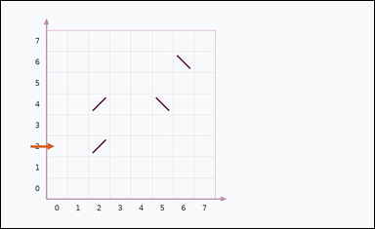 | 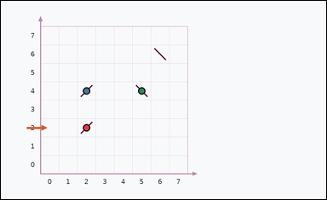 | task_physics_optics_ray_trace | bounce_count | The image shows one optics diagram on graph paper with an initial ray direction and four diagonal mirrors. Answer by inferring how the ray travels after the shown initial direction. What is the total number of mirror bounces in the implied ray path? Answer with an integer. Return a valid JSON object with keys "evidence" and "answer" in that order. Evidence format: set "evidence" to an array of graph points [x, y] for each mirror-bounce point of the implied ray path. Answer requirement: set "answer" to the requested count as an integer. Example JSON: {"evidence":[[0,0],[4,0]],"answer":8} | The image shows one optics diagram on graph paper with an initial ray direction and four diagonal mirrors. Answer by inferring how the ray travels after the shown initial direction. What is the total number of mirror bounces in the implied ray path? Answer with an integer. Return a valid JSON object with key "answer". Answer format: set "answer" to the requested count as an integer. Example JSON: {"answer":8} | {"evidence": [[2, 2], [2, 4], [5, 4]], "answer": 3} | [[2, 2], [2, 4], [5, 4]] | integer | graph_point_set | 4.1660946911E+15 | physics/task_physics_optics_ray_trace/images/bounce_count/0017.png | physics/task_physics_optics_ray_trace/data/bounce_count/0017.json
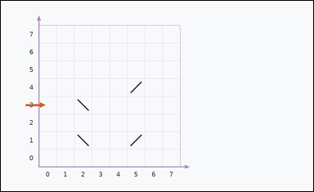 | 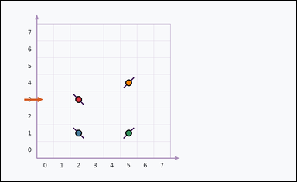 | task_physics_optics_ray_trace | bounce_count | Work from the optics diagram shown in the image: one optics diagram on graph paper with an initial ray direction and four diagonal mirrors. Determine the requested count by following the implied ray path in the diagram. How many reflections from mirrors occur before the ray leaves the diagram? Answer with an integer. Return a valid JSON object with keys "evidence" and "answer" in that order. Evidence rule: set "evidence" to an array of graph points [x, y] for each mirror-bounce point of the implied ray path. Answer rule: set "answer" to the requested count as an integer. Example JSON: {"evidence":[[0,0],[4,0]],"answer":8} | Work from the optics diagram shown in the image: one optics diagram on graph paper with an initial ray direction and four diagonal mirrors. Determine the requested count by following the implied ray path in the diagram. How many reflections from mirrors occur before the ray leaves the diagram? Answer with an integer. Return a valid JSON object with key "answer". Answer format: set "answer" to the requested count as an integer. Example JSON: {"answer":8} | {"evidence": [[2, 3], [2, 1], [5, 1], [5, 4]], "answer": 4} | [[2, 3], [2, 1], [5, 1], [5, 4]] | integer | graph_point_set | 4.2612292644E+15 | physics/task_physics_optics_ray_trace/images/bounce_count/0000.png | physics/task_physics_optics_ray_trace/data/bounce_count/0000.json
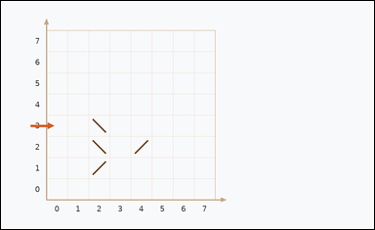 | 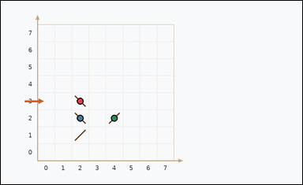 | task_physics_optics_ray_trace | bounce_count | You are given an image with one optics diagram on graph paper with an initial ray direction and four diagonal mirrors. Use the shown initial ray direction and the mirrors to infer the full ray path. Follow the implied ray path and count the mirror bounces before exit. What is the count? Return a valid JSON object with keys "evidence" and "answer" in that order. Evidence requirement: set "evidence" to an array of graph points [x, y] for each mirror-bounce point of the implied ray path. Answer format: set "answer" to the requested count as an integer. Example JSON: {"evidence":[[0,0],[4,0]],"answer":8} | You are given an image with one optics diagram on graph paper with an initial ray direction and four diagonal mirrors. Use the shown initial ray direction and the mirrors to infer the full ray path. Follow the implied ray path and count the mirror bounces before exit. What is the count? Return a valid JSON object with key "answer". Answer requirement: set "answer" to the requested count as an integer. Example JSON: {"answer":8} | {"evidence": [[2, 3], [2, 2], [4, 2]], "answer": 3} | [[2, 3], [2, 2], [4, 2]] | integer | graph_point_set | 4.865192721E+15 | physics/task_physics_optics_ray_trace/images/bounce_count/0001.png | physics/task_physics_optics_ray_trace/data/bounce_count/0001.json
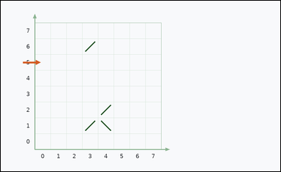 |  | task_physics_optics_ray_trace | bounce_count | Use the graph-paper optics diagram in the image. It shows one optics diagram on graph paper with an initial ray direction and four diagonal mirrors. Work out the hidden ray path from the initial direction and the mirrors to answer the question. How many reflections from mirrors occur before the ray leaves the diagram? Answer with an integer. Return a valid JSON object with keys "evidence" and "answer" in that order. Evidence: set "evidence" to an array of graph points [x, y] for each mirror-bounce point of the implied ray path. Answer: set "answer" to the requested count as an integer. Example JSON: {"evidence":[[0,0],[4,0]],"answer":8} | Use the graph-paper optics diagram in the image. It shows one optics diagram on graph paper with an initial ray direction and four diagonal mirrors. Work out the hidden ray path from the initial direction and the mirrors to answer the question. How many reflections from mirrors occur before the ray leaves the diagram? Answer with an integer. Return a valid JSON object with key "answer". Answer field: set "answer" to the requested count as an integer. Example JSON: {"answer":8} | {"evidence": [], "answer": 0} | [] | integer | graph_point_set | 4.9367861159E+15 | physics/task_physics_optics_ray_trace/images/bounce_count/0013.png | physics/task_physics_optics_ray_trace/data/bounce_count/0013.json
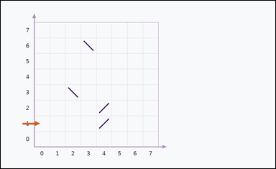 | 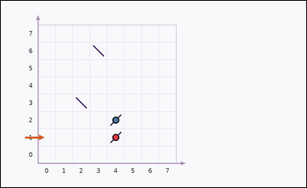 | task_physics_optics_ray_trace | bounce_count | Look at the optics diagram in the image. It shows one optics diagram on graph paper with an initial ray direction and four diagonal mirrors. Determine the requested count by following the implied ray path in the diagram. How many times does the implied ray bounce off a mirror before leaving the grid? Answer with an integer. Return a valid JSON object with keys "evidence" and "answer" in that order. Evidence rule: set "evidence" to an array of graph points [x, y] for each mirror-bounce point of the implied ray path. Answer rule: set "answer" to the requested count as an integer. Example JSON: {"evidence":[[0,0],[4,0]],"answer":8} | Look at the optics diagram in the image. It shows one optics diagram on graph paper with an initial ray direction and four diagonal mirrors. Determine the requested count by following the implied ray path in the diagram. How many times does the implied ray bounce off a mirror before leaving the grid? Answer with an integer. Return a valid JSON object with key "answer". Answer field: set "answer" to the requested count as an integer. Example JSON: {"answer":8} | {"evidence": [[4, 1], [4, 2]], "answer": 2} | [[4, 1], [4, 2]] | integer | graph_point_set | 5.2893187994E+15 | physics/task_physics_optics_ray_trace/images/bounce_count/0010.png | physics/task_physics_optics_ray_trace/data/bounce_count/0010.json
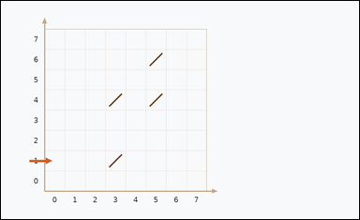 | 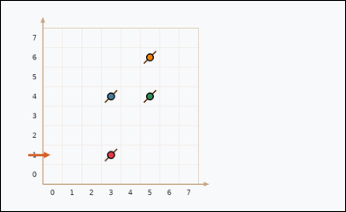 | task_physics_optics_ray_trace | bounce_count | Use the graph-paper optics diagram in the image. It shows one optics diagram on graph paper with an initial ray direction and four diagonal mirrors. Work out the hidden ray path from the initial direction and the mirrors to answer the question. How many reflections from mirrors occur before the ray leaves the diagram? Answer with an integer. Return a valid JSON object with keys "evidence" and "answer" in that order. Evidence requirement: set "evidence" to an array of graph points [x, y] for each mirror-bounce point of the implied ray path. Answer format: set "answer" to the requested count as an integer. Example JSON: {"evidence":[[0,0],[4,0]],"answer":8} | Use the graph-paper optics diagram in the image. It shows one optics diagram on graph paper with an initial ray direction and four diagonal mirrors. Work out the hidden ray path from the initial direction and the mirrors to answer the question. How many reflections from mirrors occur before the ray leaves the diagram? Answer with an integer. Return a valid JSON object with key "answer". Answer field: set "answer" to the requested count as an integer. Example JSON: {"answer":8} | {"evidence": [[3, 1], [3, 4], [5, 4], [5, 6]], "answer": 4} | [[3, 1], [3, 4], [5, 4], [5, 6]] | integer | graph_point_set | 5.3854191476E+15 | physics/task_physics_optics_ray_trace/images/bounce_count/0005.png | physics/task_physics_optics_ray_trace/data/bounce_count/0005.json
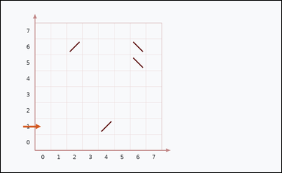 | 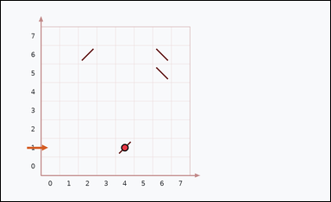 | task_physics_optics_ray_trace | bounce_count | The image shows one optics diagram on graph paper with an initial ray direction and four diagonal mirrors. Answer by inferring how the ray travels after the shown initial direction. What is the total number of mirror bounces in the implied ray path? Answer with an integer. Return a valid JSON object with keys "evidence" and "answer" in that order. Evidence rule: set "evidence" to an array of graph points [x, y] for each mirror-bounce point of the implied ray path. Answer rule: set "answer" to the requested count as an integer. Example JSON: {"evidence":[[0,0],[4,0]],"answer":8} | The image shows one optics diagram on graph paper with an initial ray direction and four diagonal mirrors. Answer by inferring how the ray travels after the shown initial direction. What is the total number of mirror bounces in the implied ray path? Answer with an integer. Return a valid JSON object with key "answer". Answer format: set "answer" to the requested count as an integer. Example JSON: {"answer":8} | {"evidence": [[4, 1]], "answer": 1} | [[4, 1]] | integer | graph_point_set | 6.4887464491E+15 | physics/task_physics_optics_ray_trace/images/bounce_count/0020.png | physics/task_physics_optics_ray_trace/data/bounce_count/0020.json
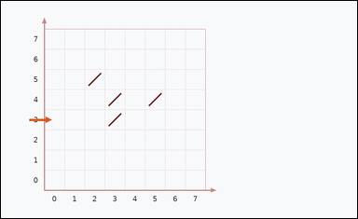 | 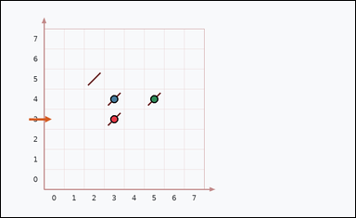 | task_physics_optics_ray_trace | bounce_count | Use the graph-paper optics diagram in the image. It shows one optics diagram on graph paper with an initial ray direction and four diagonal mirrors. Use the shown initial ray direction and the mirrors to infer the full ray path. Infer the ray path. How many mirror reflections happen before the ray exits the grid? Answer with an integer. Return a valid JSON object with keys "evidence" and "answer" in that order. Evidence format: set "evidence" to an array of graph points [x, y] for each mirror-bounce point of the implied ray path. Answer requirement: set "answer" to the requested count as an integer. Example JSON: {"evidence":[[0,0],[4,0]],"answer":8} | Use the graph-paper optics diagram in the image. It shows one optics diagram on graph paper with an initial ray direction and four diagonal mirrors. Use the shown initial ray direction and the mirrors to infer the full ray path. Infer the ray path. How many mirror reflections happen before the ray exits the grid? Answer with an integer. Return a valid JSON object with key "answer". Answer format: set "answer" to the requested count as an integer. Example JSON: {"answer":8} | {"evidence": [[3, 3], [3, 4], [5, 4]], "answer": 3} | [[3, 3], [3, 4], [5, 4]] | integer | graph_point_set | 6.5241652421E+15 | physics/task_physics_optics_ray_trace/images/bounce_count/0023.png | physics/task_physics_optics_ray_trace/data/bounce_count/0023.json
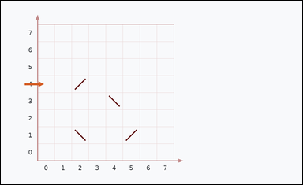 | 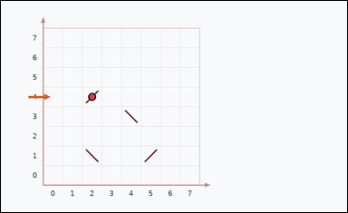 | task_physics_optics_ray_trace | bounce_count | You are given an image with one optics diagram on graph paper with an initial ray direction and four diagonal mirrors. Work out the hidden ray path from the initial direction and the mirrors to answer the question. What is the total number of mirror bounces in the implied ray path? Answer with an integer. Return a valid JSON object with keys "evidence" and "answer" in that order. Evidence: set "evidence" to an array of graph points [x, y] for each mirror-bounce point of the implied ray path. Answer: set "answer" to the requested count as an integer. Example JSON: {"evidence":[[0,0],[4,0]],"answer":8} | You are given an image with one optics diagram on graph paper with an initial ray direction and four diagonal mirrors. Work out the hidden ray path from the initial direction and the mirrors to answer the question. What is the total number of mirror bounces in the implied ray path? Answer with an integer. Return a valid JSON object with key "answer". Answer: set "answer" to the requested count as an integer. Example JSON: {"answer":8} | {"evidence": [[2, 4]], "answer": 1} | [[2, 4]] | integer | graph_point_set | 7.1830803999E+15 | physics/task_physics_optics_ray_trace/images/bounce_count/0019.png | physics/task_physics_optics_ray_trace/data/bounce_count/0019.json
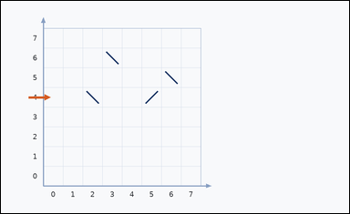 | 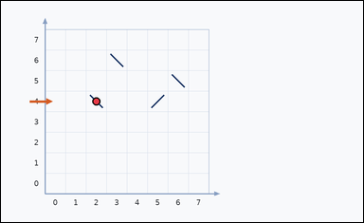 | task_physics_optics_ray_trace | bounce_count | Look at the optics diagram in the image. It shows one optics diagram on graph paper with an initial ray direction and four diagonal mirrors. Answer by inferring how the ray travels after the shown initial direction. How many times does the implied ray bounce off a mirror before leaving the grid? Answer with an integer. Return a valid JSON object with keys "evidence" and "answer" in that order. Evidence requirement: set "evidence" to an array of graph points [x, y] for each mirror-bounce point of the implied ray path. Answer format: set "answer" to the requested count as an integer. Example JSON: {"evidence":[[0,0],[4,0]],"answer":8} | Look at the optics diagram in the image. It shows one optics diagram on graph paper with an initial ray direction and four diagonal mirrors. Answer by inferring how the ray travels after the shown initial direction. How many times does the implied ray bounce off a mirror before leaving the grid? Answer with an integer. Return a valid JSON object with key "answer". Answer: set "answer" to the requested count as an integer. Example JSON: {"answer":8} | {"evidence": [[2, 4]], "answer": 1} | [[2, 4]] | integer | graph_point_set | 7.7126892995E+15 | physics/task_physics_optics_ray_trace/images/bounce_count/0004.png | physics/task_physics_optics_ray_trace/data/bounce_count/0004.json
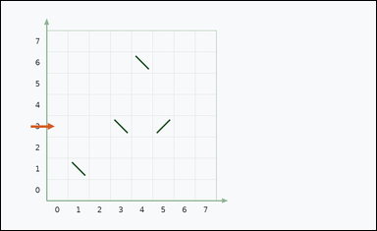 | 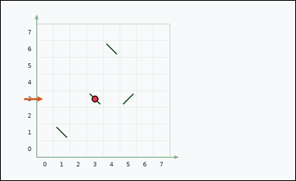 | task_physics_optics_ray_trace | bounce_count | The image shows one optics diagram on graph paper with an initial ray direction and four diagonal mirrors. Work out the hidden ray path from the initial direction and the mirrors to answer the question. What is the total number of mirror bounces in the implied ray path? Answer with an integer. Return a valid JSON object with keys "evidence" and "answer" in that order. Evidence: set "evidence" to an array of graph points [x, y] for each mirror-bounce point of the implied ray path. Answer: set "answer" to the requested count as an integer. Example JSON: {"evidence":[[0,0],[4,0]],"answer":8} | The image shows one optics diagram on graph paper with an initial ray direction and four diagonal mirrors. Work out the hidden ray path from the initial direction and the mirrors to answer the question. What is the total number of mirror bounces in the implied ray path? Answer with an integer. Return a valid JSON object with key "answer". Answer format: set "answer" to the requested count as an integer. Example JSON: {"answer":8} | {"evidence": [[3, 3]], "answer": 1} | [[3, 3]] | integer | graph_point_set | 7.928202232E+15 | physics/task_physics_optics_ray_trace/images/bounce_count/0022.png | physics/task_physics_optics_ray_trace/data/bounce_count/0022.json
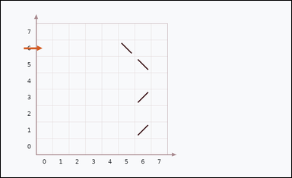 | 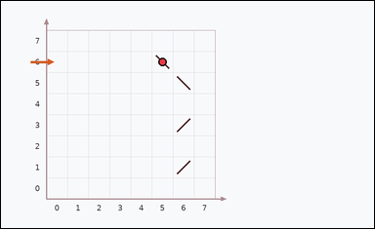 | task_physics_optics_ray_trace | bounce_count | Work from the optics diagram shown in the image: one optics diagram on graph paper with an initial ray direction and four diagonal mirrors. Trace the implied ray path through the mirrors to determine the requested count. Infer the ray path. How many mirror reflections happen before the ray exits the grid? Answer with an integer. Return a valid JSON object with keys "evidence" and "answer" in that order. Evidence rule: set "evidence" to an array of graph points [x, y] for each mirror-bounce point of the implied ray path. Answer rule: set "answer" to the requested count as an integer. Example JSON: {"evidence":[[0,0],[4,0]],"answer":8} | Work from the optics diagram shown in the image: one optics diagram on graph paper with an initial ray direction and four diagonal mirrors. Trace the implied ray path through the mirrors to determine the requested count. Infer the ray path. How many mirror reflections happen before the ray exits the grid? Answer with an integer. Return a valid JSON object with key "answer". Answer: set "answer" to the requested count as an integer. Example JSON: {"answer":8} | {"evidence": [[5, 6]], "answer": 1} | [[5, 6]] | integer | graph_point_set | 7.9906162765E+15 | physics/task_physics_optics_ray_trace/images/bounce_count/0008.png | physics/task_physics_optics_ray_trace/data/bounce_count/0008.json
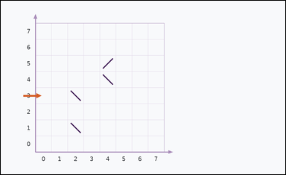 | 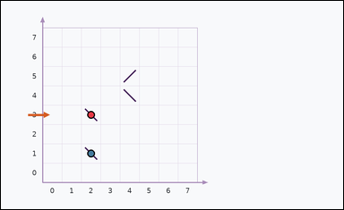 | task_physics_optics_ray_trace | bounce_count | You are given an image with one optics diagram on graph paper with an initial ray direction and four diagonal mirrors. Answer by inferring how the ray travels after the shown initial direction. What is the total number of mirror bounces in the implied ray path? Answer with an integer. Return a valid JSON object with keys "evidence" and "answer" in that order. Evidence format: set "evidence" to an array of graph points [x, y] for each mirror-bounce point of the implied ray path. Answer requirement: set "answer" to the requested count as an integer. Example JSON: {"evidence":[[0,0],[4,0]],"answer":8} | You are given an image with one optics diagram on graph paper with an initial ray direction and four diagonal mirrors. Answer by inferring how the ray travels after the shown initial direction. What is the total number of mirror bounces in the implied ray path? Answer with an integer. Return a valid JSON object with key "answer". Answer rule: set "answer" to the requested count as an integer. Example JSON: {"answer":8} | {"evidence": [[2, 3], [2, 1]], "answer": 2} | [[2, 3], [2, 1]] | integer | graph_point_set | 8.6218057573E+15 | physics/task_physics_optics_ray_trace/images/bounce_count/0009.png | physics/task_physics_optics_ray_trace/data/bounce_count/0009.json
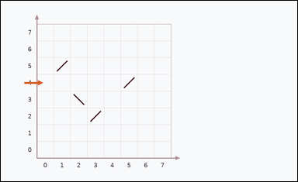 | 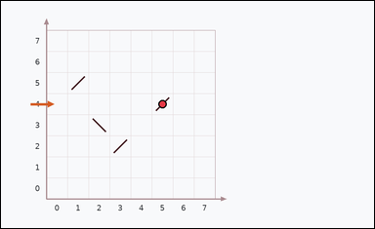 | task_physics_optics_ray_trace | bounce_count | Work from the optics diagram shown in the image: one optics diagram on graph paper with an initial ray direction and four diagonal mirrors. Determine the requested count by following the implied ray path in the diagram. How many times does the implied ray bounce off a mirror before leaving the grid? Answer with an integer. Return a valid JSON object with keys "evidence" and "answer" in that order. Evidence format: set "evidence" to an array of graph points [x, y] for each mirror-bounce point of the implied ray path. Answer requirement: set "answer" to the requested count as an integer. Example JSON: {"evidence":[[0,0],[4,0]],"answer":8} | Work from the optics diagram shown in the image: one optics diagram on graph paper with an initial ray direction and four diagonal mirrors. Determine the requested count by following the implied ray path in the diagram. How many times does the implied ray bounce off a mirror before leaving the grid? Answer with an integer. Return a valid JSON object with key "answer". Answer format: set "answer" to the requested count as an integer. Example JSON: {"answer":8} | {"evidence": [[5, 4]], "answer": 1} | [[5, 4]] | integer | graph_point_set | 8.7530341153E+15 | physics/task_physics_optics_ray_trace/images/bounce_count/0024.png | physics/task_physics_optics_ray_trace/data/bounce_count/0024.json
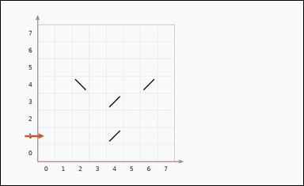 | 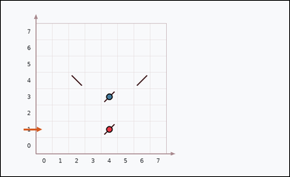 | task_physics_optics_ray_trace | bounce_count | Look at the optics diagram in the image. It shows one optics diagram on graph paper with an initial ray direction and four diagonal mirrors. Answer by inferring how the ray travels after the shown initial direction. Infer the ray path. How many mirror reflections happen before the ray exits the grid? Answer with an integer. Return a valid JSON object with keys "evidence" and "answer" in that order. Evidence: set "evidence" to an array of graph points [x, y] for each mirror-bounce point of the implied ray path. Answer: set "answer" to the requested count as an integer. Example JSON: {"evidence":[[0,0],[4,0]],"answer":8} | Look at the optics diagram in the image. It shows one optics diagram on graph paper with an initial ray direction and four diagonal mirrors. Answer by inferring how the ray travels after the shown initial direction. Infer the ray path. How many mirror reflections happen before the ray exits the grid? Answer with an integer. Return a valid JSON object with key "answer". Answer: set "answer" to the requested count as an integer. Example JSON: {"answer":8} | {"evidence": [[4, 1], [4, 3]], "answer": 2} | [[4, 1], [4, 3]] | integer | graph_point_set | 8.9483017281E+15 | physics/task_physics_optics_ray_trace/images/bounce_count/0003.png | physics/task_physics_optics_ray_trace/data/bounce_count/0003.json
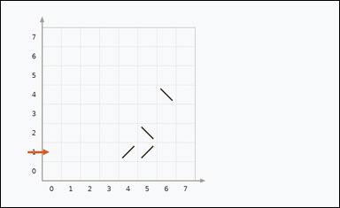 | 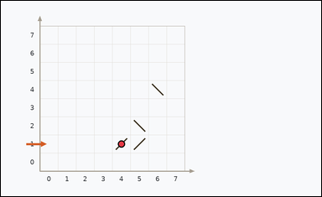 | task_physics_optics_ray_trace | bounce_count | The image shows one optics diagram on graph paper with an initial ray direction and four diagonal mirrors. Work out the hidden ray path from the initial direction and the mirrors to answer the question. How many reflections from mirrors occur before the ray leaves the diagram? Answer with an integer. Return a valid JSON object with keys "evidence" and "answer" in that order. Evidence rule: set "evidence" to an array of graph points [x, y] for each mirror-bounce point of the implied ray path. Answer rule: set "answer" to the requested count as an integer. Example JSON: {"evidence":[[0,0],[4,0]],"answer":8} | The image shows one optics diagram on graph paper with an initial ray direction and four diagonal mirrors. Work out the hidden ray path from the initial direction and the mirrors to answer the question. How many reflections from mirrors occur before the ray leaves the diagram? Answer with an integer. Return a valid JSON object with key "answer". Answer rule: set "answer" to the requested count as an integer. Example JSON: {"answer":8} | {"evidence": [[4, 1]], "answer": 1} | [[4, 1]] | integer | graph_point_set | 9.0021552006E+15 | physics/task_physics_optics_ray_trace/images/bounce_count/0012.png | physics/task_physics_optics_ray_trace/data/bounce_count/0012.json

target_hit_count
image | evidence_image | task | task_variant | prompt | prompt_answer_only | answer | answer_evidence | answer_type | evidence_type | instance_seed | image_path | data_path
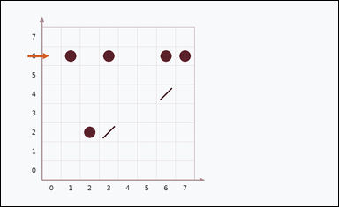 | 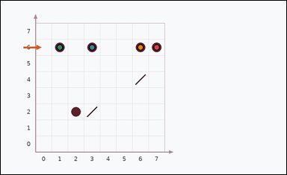 | task_physics_optics_ray_trace | target_hit_count | The image shows one optics diagram on graph paper with an initial ray direction and two diagonal mirrors. Determine the requested count by following the implied ray path in the diagram. Trace the ray through the mirrors. How many target points does it hit before exit? Answer with an integer. Return a valid JSON object with keys "evidence" and "answer" in that order. Evidence requirement: set "evidence" to an array of graph points [x, y] for each target point touched by the implied ray path. Answer format: set "answer" to the requested count as an integer. Example JSON: {"evidence":[[0,0],[4,0]],"answer":8} | The image shows one optics diagram on graph paper with an initial ray direction and two diagonal mirrors. Determine the requested count by following the implied ray path in the diagram. Trace the ray through the mirrors. How many target points does it hit before exit? Answer with an integer. Return a valid JSON object with key "answer". Answer: set "answer" to the requested count as an integer. Example JSON: {"answer":8} | {"evidence": [[7, 6], [3, 6], [1, 6], [6, 6]], "answer": 4} | [[7, 6], [3, 6], [1, 6], [6, 6]] | integer | graph_point_set | 23520624625822 | physics/task_physics_optics_ray_trace/images/target_hit_count/0003.png | physics/task_physics_optics_ray_trace/data/target_hit_count/0003.json
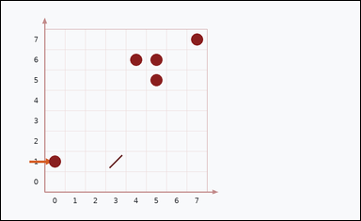 | 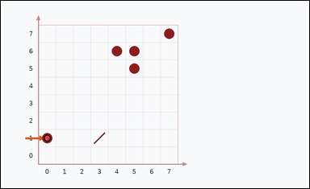 | task_physics_optics_ray_trace | target_hit_count | You are given an image with one optics diagram on graph paper with an initial ray direction and one diagonal mirror. Use the shown initial ray direction and the mirrors to infer the full ray path. Trace the ray through the mirrors. How many target points does it hit before exit? Answer with an integer. Return a valid JSON object with keys "evidence" and "answer" in that order. Evidence field: set "evidence" to an array of graph points [x, y] for each target point touched by the implied ray path. Answer field: set "answer" to the requested count as an integer. Example JSON: {"evidence":[[0,0],[4,0]],"answer":8} | You are given an image with one optics diagram on graph paper with an initial ray direction and one diagonal mirror. Use the shown initial ray direction and the mirrors to infer the full ray path. Trace the ray through the mirrors. How many target points does it hit before exit? Answer with an integer. Return a valid JSON object with key "answer". Answer requirement: set "answer" to the requested count as an integer. Example JSON: {"answer":8} | {"evidence": [[0, 1]], "answer": 1} | [[0, 1]] | integer | graph_point_set | 502662868214083 | physics/task_physics_optics_ray_trace/images/target_hit_count/0014.png | physics/task_physics_optics_ray_trace/data/target_hit_count/0014.json
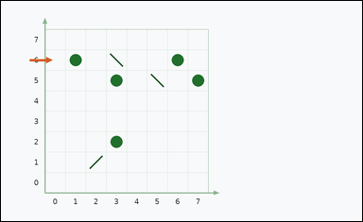 |  | task_physics_optics_ray_trace | target_hit_count | Work from the optics diagram shown in the image: one optics diagram on graph paper with an initial ray direction and three diagonal mirrors. Work out the hidden ray path from the initial direction and the mirrors to answer the question. Count the target points touched by the ray path before the ray leaves the grid. Answer with an integer. Return a valid JSON object with keys "evidence" and "answer" in that order. Evidence requirement: set "evidence" to an array of graph points [x, y] for each target point touched by the implied ray path. Answer format: set "answer" to the requested count as an integer. Example JSON: {"evidence":[[0,0],[4,0]],"answer":8} | Work from the optics diagram shown in the image: one optics diagram on graph paper with an initial ray direction and three diagonal mirrors. Work out the hidden ray path from the initial direction and the mirrors to answer the question. Count the target points touched by the ray path before the ray leaves the grid. Answer with an integer. Return a valid JSON object with key "answer". Answer rule: set "answer" to the requested count as an integer. Example JSON: {"answer":8} | {"evidence": [[3, 5], [1, 6], [3, 2]], "answer": 3} | [[3, 5], [1, 6], [3, 2]] | integer | graph_point_set | 931765687531941 | physics/task_physics_optics_ray_trace/images/target_hit_count/0006.png | physics/task_physics_optics_ray_trace/data/target_hit_count/0006.json
 |  | task_physics_optics_ray_trace | target_hit_count | You are given an image with one optics diagram on graph paper with an initial ray direction and one diagonal mirror. Answer by inferring how the ray travels after the shown initial direction. Follow the implied ray and determine how many target points it hits before exiting the diagram. Answer with an integer. Return a valid JSON object with keys "evidence" and "answer" in that order. Evidence requirement: set "evidence" to an array of graph points [x, y] for each target point touched by the implied ray path. Answer format: set "answer" to the requested count as an integer. Example JSON: {"evidence":[[0,0],[4,0]],"answer":8} | You are given an image with one optics diagram on graph paper with an initial ray direction and one diagonal mirror. Answer by inferring how the ray travels after the shown initial direction. Follow the implied ray and determine how many target points it hits before exiting the diagram. Answer with an integer. Return a valid JSON object with key "answer". Answer field: set "answer" to the requested count as an integer. Example JSON: {"answer":8} | {"evidence": [], "answer": 0} | [] | integer | graph_point_set | 2.7192782089E+15 | physics/task_physics_optics_ray_trace/images/target_hit_count/0001.png | physics/task_physics_optics_ray_trace/data/target_hit_count/0001.json
 |  | task_physics_optics_ray_trace | target_hit_count | The image shows one optics diagram on graph paper with an initial ray direction and three diagonal mirrors. Determine the requested count by following the implied ray path in the diagram. Trace the ray through the mirrors. How many target points does it hit before exit? Answer with an integer. Return a valid JSON object with keys "evidence" and "answer" in that order. Evidence field: set "evidence" to an array of graph points [x, y] for each target point touched by the implied ray path. Answer field: set "answer" to the requested count as an integer. Example JSON: {"evidence":[[0,0],[4,0]],"answer":8} | The image shows one optics diagram on graph paper with an initial ray direction and three diagonal mirrors. Determine the requested count by following the implied ray path in the diagram. Trace the ray through the mirrors. How many target points does it hit before exit? Answer with an integer. Return a valid JSON object with key "answer". Answer format: set "answer" to the requested count as an integer. Example JSON: {"answer":8} | {"evidence": [[0, 3], [4, 2], [1, 3], [3, 2]], "answer": 4} | [[0, 3], [4, 2], [1, 3], [3, 2]] | integer | graph_point_set | 2.7902696503E+15 | physics/task_physics_optics_ray_trace/images/target_hit_count/0016.png | physics/task_physics_optics_ray_trace/data/target_hit_count/0016.json
 |  | task_physics_optics_ray_trace | target_hit_count | The image shows one optics diagram on graph paper with an initial ray direction and four diagonal mirrors. Trace the implied ray path through the mirrors to determine the requested count. Follow the implied ray and determine how many target points it hits before exiting the diagram. Answer with an integer. Return a valid JSON object with keys "evidence" and "answer" in that order. Evidence format: set "evidence" to an array of graph points [x, y] for each target point touched by the implied ray path. Answer requirement: set "answer" to the requested count as an integer. Example JSON: {"evidence":[[0,0],[4,0]],"answer":8} | The image shows one optics diagram on graph paper with an initial ray direction and four diagonal mirrors. Trace the implied ray path through the mirrors to determine the requested count. Follow the implied ray and determine how many target points it hits before exiting the diagram. Answer with an integer. Return a valid JSON object with key "answer". Answer: set "answer" to the requested count as an integer. Example JSON: {"answer":8} | {"evidence": [[6, 2], [3, 2], [5, 2], [0, 2], [2, 2]], "answer": 5} | [[6, 2], [3, 2], [5, 2], [0, 2], [2, 2]] | integer | graph_point_set | 2.848238714E+15 | physics/task_physics_optics_ray_trace/images/target_hit_count/0017.png | physics/task_physics_optics_ray_trace/data/target_hit_count/0017.json
 |  | task_physics_optics_ray_trace | target_hit_count | Look at the optics diagram in the image. It shows one optics diagram on graph paper with an initial ray direction and two diagonal mirrors. Answer by inferring how the ray travels after the shown initial direction. Follow the implied ray and determine how many target points it hits before exiting the diagram. Answer with an integer. Return a valid JSON object with keys "evidence" and "answer" in that order. Evidence field: set "evidence" to an array of graph points [x, y] for each target point touched by the implied ray path. Answer field: set "answer" to the requested count as an integer. Example JSON: {"evidence":[[0,0],[4,0]],"answer":8} | Look at the optics diagram in the image. It shows one optics diagram on graph paper with an initial ray direction and two diagonal mirrors. Answer by inferring how the ray travels after the shown initial direction. Follow the implied ray and determine how many target points it hits before exiting the diagram. Answer with an integer. Return a valid JSON object with key "answer". Answer rule: set "answer" to the requested count as an integer. Example JSON: {"answer":8} | {"evidence": [[4, 4], [0, 4], [6, 4]], "answer": 3} | [[4, 4], [0, 4], [6, 4]] | integer | graph_point_set | 2.9321040314E+15 | physics/task_physics_optics_ray_trace/images/target_hit_count/0007.png | physics/task_physics_optics_ray_trace/data/target_hit_count/0007.json
 |  | task_physics_optics_ray_trace | target_hit_count | You are given an image with one optics diagram on graph paper with an initial ray direction and one diagonal mirror. Use the shown initial ray direction and the mirrors to infer the full ray path. Count the target points touched by the ray path before the ray leaves the grid. Answer with an integer. Return a valid JSON object with keys "evidence" and "answer" in that order. Evidence requirement: set "evidence" to an array of graph points [x, y] for each target point touched by the implied ray path. Answer format: set "answer" to the requested count as an integer. Example JSON: {"evidence":[[0,0],[4,0]],"answer":8} | You are given an image with one optics diagram on graph paper with an initial ray direction and one diagonal mirror. Use the shown initial ray direction and the mirrors to infer the full ray path. Count the target points touched by the ray path before the ray leaves the grid. Answer with an integer. Return a valid JSON object with key "answer". Answer format: set "answer" to the requested count as an integer. Example JSON: {"answer":8} | {"evidence": [[2, 3], [3, 0], [0, 3]], "answer": 3} | [[2, 3], [3, 0], [0, 3]] | integer | graph_point_set | 3.0710990306E+15 | physics/task_physics_optics_ray_trace/images/target_hit_count/0020.png | physics/task_physics_optics_ray_trace/data/target_hit_count/0020.json
 |  | task_physics_optics_ray_trace | target_hit_count | Work from the optics diagram shown in the image: one optics diagram on graph paper with an initial ray direction and three diagonal mirrors. Determine the requested count by following the implied ray path in the diagram. How many target points are touched by the implied ray before it leaves the grid? Answer with an integer. Return a valid JSON object with keys "evidence" and "answer" in that order. Evidence: set "evidence" to an array of graph points [x, y] for each target point touched by the implied ray path. Answer: set "answer" to the requested count as an integer. Example JSON: {"evidence":[[0,0],[4,0]],"answer":8} | Work from the optics diagram shown in the image: one optics diagram on graph paper with an initial ray direction and three diagonal mirrors. Determine the requested count by following the implied ray path in the diagram. How many target points are touched by the implied ray before it leaves the grid? Answer with an integer. Return a valid JSON object with key "answer". Answer requirement: set "answer" to the requested count as an integer. Example JSON: {"answer":8} | {"evidence": [[4, 2], [4, 3]], "answer": 2} | [[4, 2], [4, 3]] | integer | graph_point_set | 3.6127352478E+15 | physics/task_physics_optics_ray_trace/images/target_hit_count/0015.png | physics/task_physics_optics_ray_trace/data/target_hit_count/0015.json
 |  | task_physics_optics_ray_trace | target_hit_count | You are given an image with one optics diagram on graph paper with an initial ray direction and one diagonal mirror. Trace the implied ray path through the mirrors to determine the requested count. Count the target points touched by the ray path before the ray leaves the grid. Answer with an integer. Return a valid JSON object with keys "evidence" and "answer" in that order. Evidence rule: set "evidence" to an array of graph points [x, y] for each target point touched by the implied ray path. Answer rule: set "answer" to the requested count as an integer. Example JSON: {"evidence":[[0,0],[4,0]],"answer":8} | You are given an image with one optics diagram on graph paper with an initial ray direction and one diagonal mirror. Trace the implied ray path through the mirrors to determine the requested count. Count the target points touched by the ray path before the ray leaves the grid. Answer with an integer. Return a valid JSON object with key "answer". Answer field: set "answer" to the requested count as an integer. Example JSON: {"answer":8} | {"evidence": [[4, 4], [3, 4], [6, 4], [1, 4]], "answer": 4} | [[4, 4], [3, 4], [6, 4], [1, 4]] | integer | graph_point_set | 3.6732750444E+15 | physics/task_physics_optics_ray_trace/images/target_hit_count/0009.png | physics/task_physics_optics_ray_trace/data/target_hit_count/0009.json
 |  | task_physics_optics_ray_trace | target_hit_count | Use the graph-paper optics diagram in the image. It shows one optics diagram on graph paper with an initial ray direction and three diagonal mirrors. Determine the requested count by following the implied ray path in the diagram. What is the total number of target points crossed by the implied ray? Answer with an integer. Return a valid JSON object with keys "evidence" and "answer" in that order. Evidence field: set "evidence" to an array of graph points [x, y] for each target point touched by the implied ray path. Answer field: set "answer" to the requested count as an integer. Example JSON: {"evidence":[[0,0],[4,0]],"answer":8} | Use the graph-paper optics diagram in the image. It shows one optics diagram on graph paper with an initial ray direction and three diagonal mirrors. Determine the requested count by following the implied ray path in the diagram. What is the total number of target points crossed by the implied ray? Answer with an integer. Return a valid JSON object with key "answer". Answer requirement: set "answer" to the requested count as an integer. Example JSON: {"answer":8} | {"evidence": [[5, 1], [0, 4], [3, 4]], "answer": 3} | [[5, 1], [0, 4], [3, 4]] | integer | graph_point_set | 3.7578283322E+15 | physics/task_physics_optics_ray_trace/images/target_hit_count/0000.png | physics/task_physics_optics_ray_trace/data/target_hit_count/0000.json
 |  | task_physics_optics_ray_trace | target_hit_count | Work from the optics diagram shown in the image: one optics diagram on graph paper with an initial ray direction and four diagonal mirrors. Use the shown initial ray direction and the mirrors to infer the full ray path. Follow the implied ray and determine how many target points it hits before exiting the diagram. Answer with an integer. Return a valid JSON object with keys "evidence" and "answer" in that order. Evidence field: set "evidence" to an array of graph points [x, y] for each target point touched by the implied ray path. Answer field: set "answer" to the requested count as an integer. Example JSON: {"evidence":[[0,0],[4,0]],"answer":8} | Work from the optics diagram shown in the image: one optics diagram on graph paper with an initial ray direction and four diagonal mirrors. Use the shown initial ray direction and the mirrors to infer the full ray path. Follow the implied ray and determine how many target points it hits before exiting the diagram. Answer with an integer. Return a valid JSON object with key "answer". Answer: set "answer" to the requested count as an integer. Example JSON: {"answer":8} | {"evidence": [[7, 2], [1, 2], [3, 2], [0, 2]], "answer": 4} | [[7, 2], [1, 2], [3, 2], [0, 2]] | integer | graph_point_set | 3.9134289253E+15 | physics/task_physics_optics_ray_trace/images/target_hit_count/0023.png | physics/task_physics_optics_ray_trace/data/target_hit_count/0023.json
 |  | task_physics_optics_ray_trace | target_hit_count | Work from the optics diagram shown in the image: one optics diagram on graph paper with an initial ray direction and four diagonal mirrors. Work out the hidden ray path from the initial direction and the mirrors to answer the question. What is the total number of target points crossed by the implied ray? Answer with an integer. Return a valid JSON object with keys "evidence" and "answer" in that order. Evidence: set "evidence" to an array of graph points [x, y] for each target point touched by the implied ray path. Answer: set "answer" to the requested count as an integer. Example JSON: {"evidence":[[0,0],[4,0]],"answer":8} | Work from the optics diagram shown in the image: one optics diagram on graph paper with an initial ray direction and four diagonal mirrors. Work out the hidden ray path from the initial direction and the mirrors to answer the question. What is the total number of target points crossed by the implied ray? Answer with an integer. Return a valid JSON object with key "answer". Answer field: set "answer" to the requested count as an integer. Example JSON: {"answer":8} | {"evidence": [[1, 6], [5, 4]], "answer": 2} | [[1, 6], [5, 4]] | integer | graph_point_set | 5.8218123811E+15 | physics/task_physics_optics_ray_trace/images/target_hit_count/0008.png | physics/task_physics_optics_ray_trace/data/target_hit_count/0008.json
 |  | task_physics_optics_ray_trace | target_hit_count | You are given an image with one optics diagram on graph paper with an initial ray direction and two diagonal mirrors. Determine the requested count by following the implied ray path in the diagram. How many target points are touched by the implied ray before it leaves the grid? Answer with an integer. Return a valid JSON object with keys "evidence" and "answer" in that order. Evidence: set "evidence" to an array of graph points [x, y] for each target point touched by the implied ray path. Answer: set "answer" to the requested count as an integer. Example JSON: {"evidence":[[0,0],[4,0]],"answer":8} | You are given an image with one optics diagram on graph paper with an initial ray direction and two diagonal mirrors. Determine the requested count by following the implied ray path in the diagram. How many target points are touched by the implied ray before it leaves the grid? Answer with an integer. Return a valid JSON object with key "answer". Answer field: set "answer" to the requested count as an integer. Example JSON: {"answer":8} | {"evidence": [], "answer": 0} | [] | integer | graph_point_set | 5.848310047E+15 | physics/task_physics_optics_ray_trace/images/target_hit_count/0002.png | physics/task_physics_optics_ray_trace/data/target_hit_count/0002.json
 |  | task_physics_optics_ray_trace | target_hit_count | Look at the optics diagram in the image. It shows one optics diagram on graph paper with an initial ray direction and two diagonal mirrors. Answer by inferring how the ray travels after the shown initial direction. What is the total number of target points crossed by the implied ray? Answer with an integer. Return a valid JSON object with keys "evidence" and "answer" in that order. Evidence: set "evidence" to an array of graph points [x, y] for each target point touched by the implied ray path. Answer: set "answer" to the requested count as an integer. Example JSON: {"evidence":[[0,0],[4,0]],"answer":8} | Look at the optics diagram in the image. It shows one optics diagram on graph paper with an initial ray direction and two diagonal mirrors. Answer by inferring how the ray travels after the shown initial direction. What is the total number of target points crossed by the implied ray? Answer with an integer. Return a valid JSON object with key "answer". Answer field: set "answer" to the requested count as an integer. Example JSON: {"answer":8} | {"evidence": [[3, 1]], "answer": 1} | [[3, 1]] | integer | graph_point_set | 6.3929308792E+15 | physics/task_physics_optics_ray_trace/images/target_hit_count/0011.png | physics/task_physics_optics_ray_trace/data/target_hit_count/0011.json
 |  | task_physics_optics_ray_trace | target_hit_count | Work from the optics diagram shown in the image: one optics diagram on graph paper with an initial ray direction and two diagonal mirrors. Determine the requested count by following the implied ray path in the diagram. How many target points are touched by the implied ray before it leaves the grid? Answer with an integer. Return a valid JSON object with keys "evidence" and "answer" in that order. Evidence field: set "evidence" to an array of graph points [x, y] for each target point touched by the implied ray path. Answer field: set "answer" to the requested count as an integer. Example JSON: {"evidence":[[0,0],[4,0]],"answer":8} | Work from the optics diagram shown in the image: one optics diagram on graph paper with an initial ray direction and two diagonal mirrors. Determine the requested count by following the implied ray path in the diagram. How many target points are touched by the implied ray before it leaves the grid? Answer with an integer. Return a valid JSON object with key "answer". Answer format: set "answer" to the requested count as an integer. Example JSON: {"answer":8} | {"evidence": [[0, 2], [6, 1]], "answer": 2} | [[0, 2], [6, 1]] | integer | graph_point_set | 6.5863022662E+15 | physics/task_physics_optics_ray_trace/images/target_hit_count/0013.png | physics/task_physics_optics_ray_trace/data/target_hit_count/0013.json
 |  | task_physics_optics_ray_trace | target_hit_count | The image shows one optics diagram on graph paper with an initial ray direction and two diagonal mirrors. Answer by inferring how the ray travels after the shown initial direction. Count the target points touched by the ray path before the ray leaves the grid. Answer with an integer. Return a valid JSON object with keys "evidence" and "answer" in that order. Evidence format: set "evidence" to an array of graph points [x, y] for each target point touched by the implied ray path. Answer requirement: set "answer" to the requested count as an integer. Example JSON: {"evidence":[[0,0],[4,0]],"answer":8} | The image shows one optics diagram on graph paper with an initial ray direction and two diagonal mirrors. Answer by inferring how the ray travels after the shown initial direction. Count the target points touched by the ray path before the ray leaves the grid. Answer with an integer. Return a valid JSON object with key "answer". Answer field: set "answer" to the requested count as an integer. Example JSON: {"answer":8} | {"evidence": [[2, 6], [4, 3], [0, 6], [4, 5]], "answer": 4} | [[2, 6], [4, 3], [0, 6], [4, 5]] | integer | graph_point_set | 6.7447845334E+15 | physics/task_physics_optics_ray_trace/images/target_hit_count/0005.png | physics/task_physics_optics_ray_trace/data/target_hit_count/0005.json
 |  | task_physics_optics_ray_trace | target_hit_count | Look at the optics diagram in the image. It shows one optics diagram on graph paper with an initial ray direction and four diagonal mirrors. Determine the requested count by following the implied ray path in the diagram. How many target points are touched by the implied ray before it leaves the grid? Answer with an integer. Return a valid JSON object with keys "evidence" and "answer" in that order. Evidence: set "evidence" to an array of graph points [x, y] for each target point touched by the implied ray path. Answer: set "answer" to the requested count as an integer. Example JSON: {"evidence":[[0,0],[4,0]],"answer":8} | Look at the optics diagram in the image. It shows one optics diagram on graph paper with an initial ray direction and four diagonal mirrors. Determine the requested count by following the implied ray path in the diagram. How many target points are touched by the implied ray before it leaves the grid? Answer with an integer. Return a valid JSON object with key "answer". Answer field: set "answer" to the requested count as an integer. Example JSON: {"answer":8} | {"evidence": [[4, 7], [4, 5], [0, 4], [3, 2], [1, 4]], "answer": 5} | [[4, 7], [4, 5], [0, 4], [3, 2], [1, 4]] | integer | graph_point_set | 7.4229499766E+15 | physics/task_physics_optics_ray_trace/images/target_hit_count/0022.png | physics/task_physics_optics_ray_trace/data/target_hit_count/0022.json
 |  | task_physics_optics_ray_trace | target_hit_count | Use the graph-paper optics diagram in the image. It shows one optics diagram on graph paper with an initial ray direction and four diagonal mirrors. Use the shown initial ray direction and the mirrors to infer the full ray path. Follow the implied ray and determine how many target points it hits before exiting the diagram. Answer with an integer. Return a valid JSON object with keys "evidence" and "answer" in that order. Evidence format: set "evidence" to an array of graph points [x, y] for each target point touched by the implied ray path. Answer requirement: set "answer" to the requested count as an integer. Example JSON: {"evidence":[[0,0],[4,0]],"answer":8} | Use the graph-paper optics diagram in the image. It shows one optics diagram on graph paper with an initial ray direction and four diagonal mirrors. Use the shown initial ray direction and the mirrors to infer the full ray path. Follow the implied ray and determine how many target points it hits before exiting the diagram. Answer with an integer. Return a valid JSON object with key "answer". Answer: set "answer" to the requested count as an integer. Example JSON: {"answer":8} | {"evidence": [], "answer": 0} | [] | integer | graph_point_set | 7.5310281199E+15 | physics/task_physics_optics_ray_trace/images/target_hit_count/0024.png | physics/task_physics_optics_ray_trace/data/target_hit_count/0024.json
 |  | task_physics_optics_ray_trace | target_hit_count | Work from the optics diagram shown in the image: one optics diagram on graph paper with an initial ray direction and one diagonal mirror. Answer by inferring how the ray travels after the shown initial direction. What is the total number of target points crossed by the implied ray? Answer with an integer. Return a valid JSON object with keys "evidence" and "answer" in that order. Evidence: set "evidence" to an array of graph points [x, y] for each target point touched by the implied ray path. Answer: set "answer" to the requested count as an integer. Example JSON: {"evidence":[[0,0],[4,0]],"answer":8} | Work from the optics diagram shown in the image: one optics diagram on graph paper with an initial ray direction and one diagonal mirror. Answer by inferring how the ray travels after the shown initial direction. What is the total number of target points crossed by the implied ray? Answer with an integer. Return a valid JSON object with key "answer". Answer rule: set "answer" to the requested count as an integer. Example JSON: {"answer":8} | {"evidence": [[0, 6], [3, 0]], "answer": 2} | [[0, 6], [3, 0]] | integer | graph_point_set | 7.7645842505E+15 | physics/task_physics_optics_ray_trace/images/target_hit_count/0019.png | physics/task_physics_optics_ray_trace/data/target_hit_count/0019.json
 |  | task_physics_optics_ray_trace | target_hit_count | You are given an image with one optics diagram on graph paper with an initial ray direction and four diagonal mirrors. Answer by inferring how the ray travels after the shown initial direction. Follow the implied ray and determine how many target points it hits before exiting the diagram. Answer with an integer. Return a valid JSON object with keys "evidence" and "answer" in that order. Evidence requirement: set "evidence" to an array of graph points [x, y] for each target point touched by the implied ray path. Answer format: set "answer" to the requested count as an integer. Example JSON: {"evidence":[[0,0],[4,0]],"answer":8} | You are given an image with one optics diagram on graph paper with an initial ray direction and four diagonal mirrors. Answer by inferring how the ray travels after the shown initial direction. Follow the implied ray and determine how many target points it hits before exiting the diagram. Answer with an integer. Return a valid JSON object with key "answer". Answer: set "answer" to the requested count as an integer. Example JSON: {"answer":8} | {"evidence": [[1, 3], [4, 5], [0, 3], [7, 6], [6, 6]], "answer": 5} | [[1, 3], [4, 5], [0, 3], [7, 6], [6, 6]] | integer | graph_point_set | 7.7768698667E+15 | physics/task_physics_optics_ray_trace/images/target_hit_count/0012.png | physics/task_physics_optics_ray_trace/data/target_hit_count/0012.json
 |  | task_physics_optics_ray_trace | target_hit_count | Look at the optics diagram in the image. It shows one optics diagram on graph paper with an initial ray direction and two diagonal mirrors. Trace the implied ray path through the mirrors to determine the requested count. What is the total number of target points crossed by the implied ray? Answer with an integer. Return a valid JSON object with keys "evidence" and "answer" in that order. Evidence field: set "evidence" to an array of graph points [x, y] for each target point touched by the implied ray path. Answer field: set "answer" to the requested count as an integer. Example JSON: {"evidence":[[0,0],[4,0]],"answer":8} | Look at the optics diagram in the image. It shows one optics diagram on graph paper with an initial ray direction and two diagonal mirrors. Trace the implied ray path through the mirrors to determine the requested count. What is the total number of target points crossed by the implied ray? Answer with an integer. Return a valid JSON object with key "answer". Answer requirement: set "answer" to the requested count as an integer. Example JSON: {"answer":8} | {"evidence": [[1, 2], [3, 5], [2, 2]], "answer": 3} | [[1, 2], [3, 5], [2, 2]] | integer | graph_point_set | 8.3330466618E+15 | physics/task_physics_optics_ray_trace/images/target_hit_count/0004.png | physics/task_physics_optics_ray_trace/data/target_hit_count/0004.json
 |  | task_physics_optics_ray_trace | target_hit_count | The image shows one optics diagram on graph paper with an initial ray direction and three diagonal mirrors. Work out the hidden ray path from the initial direction and the mirrors to answer the question. Count the target points touched by the ray path before the ray leaves the grid. Answer with an integer. Return a valid JSON object with keys "evidence" and "answer" in that order. Evidence rule: set "evidence" to an array of graph points [x, y] for each target point touched by the implied ray path. Answer rule: set "answer" to the requested count as an integer. Example JSON: {"evidence":[[0,0],[4,0]],"answer":8} | The image shows one optics diagram on graph paper with an initial ray direction and three diagonal mirrors. Work out the hidden ray path from the initial direction and the mirrors to answer the question. Count the target points touched by the ray path before the ray leaves the grid. Answer with an integer. Return a valid JSON object with key "answer". Answer requirement: set "answer" to the requested count as an integer. Example JSON: {"answer":8} | {"evidence": [[2, 5], [3, 5], [5, 5], [7, 5]], "answer": 4} | [[2, 5], [3, 5], [5, 5], [7, 5]] | integer | graph_point_set | 8.4506518425E+15 | physics/task_physics_optics_ray_trace/images/target_hit_count/0018.png | physics/task_physics_optics_ray_trace/data/target_hit_count/0018.json
 |  | task_physics_optics_ray_trace | target_hit_count | Work from the optics diagram shown in the image: one optics diagram on graph paper with an initial ray direction and two diagonal mirrors. Use the shown initial ray direction and the mirrors to infer the full ray path. What is the total number of target points crossed by the implied ray? Answer with an integer. Return a valid JSON object with keys "evidence" and "answer" in that order. Evidence requirement: set "evidence" to an array of graph points [x, y] for each target point touched by the implied ray path. Answer format: set "answer" to the requested count as an integer. Example JSON: {"evidence":[[0,0],[4,0]],"answer":8} | Work from the optics diagram shown in the image: one optics diagram on graph paper with an initial ray direction and two diagonal mirrors. Use the shown initial ray direction and the mirrors to infer the full ray path. What is the total number of target points crossed by the implied ray? Answer with an integer. Return a valid JSON object with key "answer". Answer rule: set "answer" to the requested count as an integer. Example JSON: {"answer":8} | {"evidence": [], "answer": 0} | [] | integer | graph_point_set | 8.5606764004E+15 | physics/task_physics_optics_ray_trace/images/target_hit_count/0010.png | physics/task_physics_optics_ray_trace/data/target_hit_count/0010.json
 |  | task_physics_optics_ray_trace | target_hit_count | You are given an image with one optics diagram on graph paper with an initial ray direction and one diagonal mirror. Determine the requested count by following the implied ray path in the diagram. How many target points are touched by the implied ray before it leaves the grid? Answer with an integer. Return a valid JSON object with keys "evidence" and "answer" in that order. Evidence: set "evidence" to an array of graph points [x, y] for each target point touched by the implied ray path. Answer: set "answer" to the requested count as an integer. Example JSON: {"evidence":[[0,0],[4,0]],"answer":8} | You are given an image with one optics diagram on graph paper with an initial ray direction and one diagonal mirror. Determine the requested count by following the implied ray path in the diagram. How many target points are touched by the implied ray before it leaves the grid? Answer with an integer. Return a valid JSON object with key "answer". Answer field: set "answer" to the requested count as an integer. Example JSON: {"answer":8} | {"evidence": [[2, 7], [2, 6], [0, 5], [1, 5]], "answer": 4} | [[2, 7], [2, 6], [0, 5], [1, 5]] | integer | graph_point_set | 8.6589663991E+15 | physics/task_physics_optics_ray_trace/images/target_hit_count/0021.png | physics/task_physics_optics_ray_trace/data/target_hit_count/0021.json

