congruent_count
image | evidence_image | task | task_variant | prompt | prompt_answer_only | answer | answer_evidence | answer_type | evidence_type | instance_seed | image_path | data_path
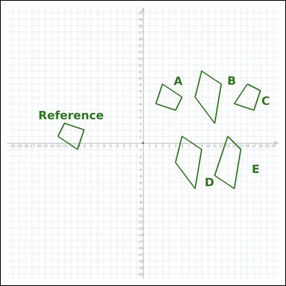 |  | task_geometry_similarity_count | congruent_count | Use the graph-paper image showing a Reference polygon and five labeled candidate polygons A through E. Work from the full similarity scene to answer the question. How many labeled polygons are congruent to the Reference? Return a valid JSON object with keys "evidence" and "answer" in that order. Evidence rule: set "evidence" to an array of every labeled polygon that matches the Reference among A through E. Answer rule: set "answer" to the integer count of the matching labeled polygons. Example JSON: {"evidence":["B","C"],"answer":8} | Use the graph-paper image showing a Reference polygon and five labeled candidate polygons A through E. Work from the full similarity scene to answer the question. How many labeled polygons are congruent to the Reference? Return a valid JSON object with key "answer". Answer format: set "answer" to the integer count of the matching labeled polygons. Example JSON: {"answer":8} | {"evidence": ["A", "C"], "answer": 2} | ["A", "C"] | integer | label_set | 1.0129188117E+15 | geometry/task_geometry_similarity_count/images/congruent_count/0017.png | geometry/task_geometry_similarity_count/data/congruent_count/0017.json
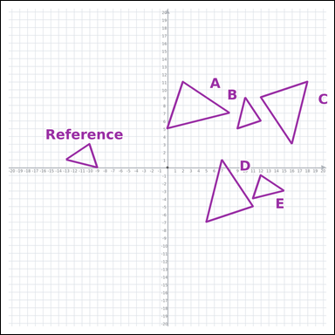 |  | task_geometry_similarity_count | congruent_count | You are given a graph-paper image with a Reference polygon and five labeled candidate polygons A through E. Read the Reference polygon and all labeled candidates carefully, then answer the question. Among the labeled polygons, how many are congruent to the Reference? Return a valid JSON object with keys "evidence" and "answer" in that order. Evidence field: set "evidence" to an array of every labeled polygon that matches the Reference among A through E. Answer field: set "answer" to the integer count of the matching labeled polygons. Example JSON: {"evidence":["B","C"],"answer":8} | You are given a graph-paper image with a Reference polygon and five labeled candidate polygons A through E. Read the Reference polygon and all labeled candidates carefully, then answer the question. Among the labeled polygons, how many are congruent to the Reference? Return a valid JSON object with key "answer". Answer rule: set "answer" to the integer count of the matching labeled polygons. Example JSON: {"answer":8} | {"evidence": ["B", "E"], "answer": 2} | ["B", "E"] | integer | label_set | 1.8986080481E+15 | geometry/task_geometry_similarity_count/images/congruent_count/0011.png | geometry/task_geometry_similarity_count/data/congruent_count/0011.json
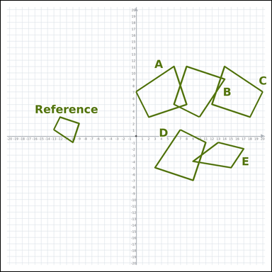 |  | task_geometry_similarity_count | congruent_count | Look at the graph-paper diagram. It shows a Reference polygon and five labeled candidate polygons A through E. Determine the answer from the graph-paper similarity diagram. Among the labeled polygons, how many are congruent to the Reference? Return a valid JSON object with keys "evidence" and "answer" in that order. Evidence: set "evidence" to an array of every labeled polygon that matches the Reference among A through E. Answer: set "answer" to the integer count of the matching labeled polygons. Example JSON: {"evidence":[],"answer":8} | Look at the graph-paper diagram. It shows a Reference polygon and five labeled candidate polygons A through E. Determine the answer from the graph-paper similarity diagram. Among the labeled polygons, how many are congruent to the Reference? Return a valid JSON object with key "answer". Answer: set "answer" to the integer count of the matching labeled polygons. Example JSON: {"answer":8} | {"evidence": [], "answer": 0} | [] | integer | label_set | 2.0483244457E+15 | geometry/task_geometry_similarity_count/images/congruent_count/0002.png | geometry/task_geometry_similarity_count/data/congruent_count/0002.json
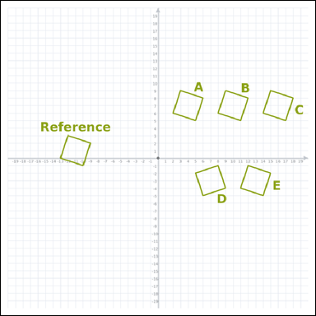 |  | task_geometry_similarity_count | congruent_count | Look at the graph-paper diagram. It shows a Reference polygon and five labeled candidate polygons A through E. Read the Reference polygon and all labeled candidates carefully, then answer the question. How many of the labeled polygons have the same shape and size as the Reference? Return a valid JSON object with keys "evidence" and "answer" in that order. Evidence requirement: set "evidence" to an array of every labeled polygon that matches the Reference among A through E. Answer format: set "answer" to the integer count of the matching labeled polygons. Example JSON: {"evidence":["B","C","D","E","F"],"answer":8} | Look at the graph-paper diagram. It shows a Reference polygon and five labeled candidate polygons A through E. Read the Reference polygon and all labeled candidates carefully, then answer the question. How many of the labeled polygons have the same shape and size as the Reference? Return a valid JSON object with key "answer". Answer requirement: set "answer" to the integer count of the matching labeled polygons. Example JSON: {"answer":8} | {"evidence": ["A", "B", "C", "D", "E"], "answer": 5} | ["A", "B", "C", "D", "E"] | integer | label_set | 2.0551389381E+15 | geometry/task_geometry_similarity_count/images/congruent_count/0007.png | geometry/task_geometry_similarity_count/data/congruent_count/0007.json
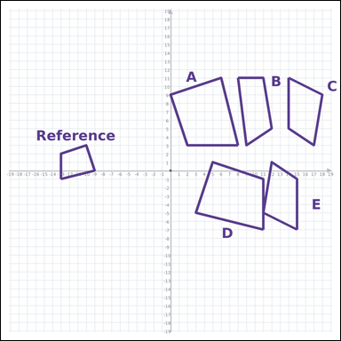 |  | task_geometry_similarity_count | congruent_count | Use the graph-paper image showing a Reference polygon and five labeled candidate polygons A through E. Work from the full similarity scene to answer the question. How many labeled polygons are congruent to the Reference? Return a valid JSON object with keys "evidence" and "answer" in that order. Evidence rule: set "evidence" to an array of every labeled polygon that matches the Reference among A through E. Answer rule: set "answer" to the integer count of the matching labeled polygons. Example JSON: {"evidence":[],"answer":8} | Use the graph-paper image showing a Reference polygon and five labeled candidate polygons A through E. Work from the full similarity scene to answer the question. How many labeled polygons are congruent to the Reference? Return a valid JSON object with key "answer". Answer requirement: set "answer" to the integer count of the matching labeled polygons. Example JSON: {"answer":8} | {"evidence": [], "answer": 0} | [] | integer | label_set | 2.2078868355E+15 | geometry/task_geometry_similarity_count/images/congruent_count/0018.png | geometry/task_geometry_similarity_count/data/congruent_count/0018.json
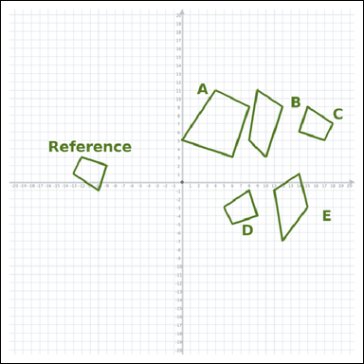 |  | task_geometry_similarity_count | congruent_count | You are given a graph-paper image with a Reference polygon and five labeled candidate polygons A through E. Work from the full similarity scene to answer the question. How many of the labeled polygons have the same shape and size as the Reference? Return a valid JSON object with keys "evidence" and "answer" in that order. Evidence format: set "evidence" to an array of every labeled polygon that matches the Reference among A through E. Answer requirement: set "answer" to the integer count of the matching labeled polygons. Example JSON: {"evidence":["B","C"],"answer":8} | You are given a graph-paper image with a Reference polygon and five labeled candidate polygons A through E. Work from the full similarity scene to answer the question. How many of the labeled polygons have the same shape and size as the Reference? Return a valid JSON object with key "answer". Answer format: set "answer" to the integer count of the matching labeled polygons. Example JSON: {"answer":8} | {"evidence": ["C", "D"], "answer": 2} | ["C", "D"] | integer | label_set | 2.215065691E+15 | geometry/task_geometry_similarity_count/images/congruent_count/0024.png | geometry/task_geometry_similarity_count/data/congruent_count/0024.json
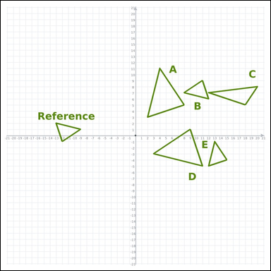 |  | task_geometry_similarity_count | congruent_count | Work from the graph-paper diagram showing a Reference polygon and five labeled candidate polygons A through E. Work from the full similarity scene to answer the question. Count the labeled polygons that are congruent to the Reference. Return a valid JSON object with keys "evidence" and "answer" in that order. Evidence: set "evidence" to an array of every labeled polygon that matches the Reference among A through E. Answer: set "answer" to the integer count of the matching labeled polygons. Example JSON: {"evidence":["B","C"],"answer":8} | Work from the graph-paper diagram showing a Reference polygon and five labeled candidate polygons A through E. Work from the full similarity scene to answer the question. Count the labeled polygons that are congruent to the Reference. Return a valid JSON object with key "answer". Answer rule: set "answer" to the integer count of the matching labeled polygons. Example JSON: {"answer":8} | {"evidence": ["B", "E"], "answer": 2} | ["B", "E"] | integer | label_set | 3.3481417561E+15 | geometry/task_geometry_similarity_count/images/congruent_count/0020.png | geometry/task_geometry_similarity_count/data/congruent_count/0020.json
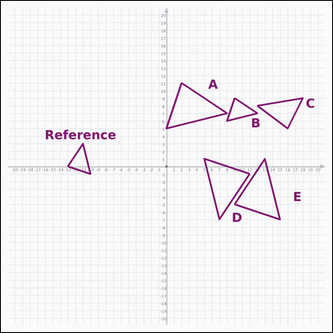 |  | task_geometry_similarity_count | congruent_count | You are given a graph-paper image with a Reference polygon and five labeled candidate polygons A through E. Use the full graph-paper scene to answer the question. Count the labeled polygons that are congruent to the Reference. Return a valid JSON object with keys "evidence" and "answer" in that order. Evidence rule: set "evidence" to an array of every labeled polygon that matches the Reference among A through E. Answer rule: set "answer" to the integer count of the matching labeled polygons. Example JSON: {"evidence":["A"],"answer":8} | You are given a graph-paper image with a Reference polygon and five labeled candidate polygons A through E. Use the full graph-paper scene to answer the question. Count the labeled polygons that are congruent to the Reference. Return a valid JSON object with key "answer". Answer format: set "answer" to the integer count of the matching labeled polygons. Example JSON: {"answer":8} | {"evidence": ["B"], "answer": 1} | ["B"] | integer | label_set | 3.3661579078E+15 | geometry/task_geometry_similarity_count/images/congruent_count/0012.png | geometry/task_geometry_similarity_count/data/congruent_count/0012.json
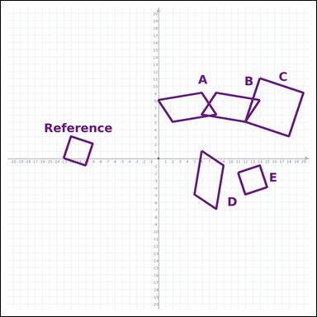 |  | task_geometry_similarity_count | congruent_count | Look at the graph-paper diagram. It shows a Reference polygon and five labeled candidate polygons A through E. Determine the answer from the graph-paper similarity diagram. Among the labeled polygons, how many are congruent to the Reference? Return a valid JSON object with keys "evidence" and "answer" in that order. Evidence rule: set "evidence" to an array of every labeled polygon that matches the Reference among A through E. Answer rule: set "answer" to the integer count of the matching labeled polygons. Example JSON: {"evidence":["A"],"answer":8} | Look at the graph-paper diagram. It shows a Reference polygon and five labeled candidate polygons A through E. Determine the answer from the graph-paper similarity diagram. Among the labeled polygons, how many are congruent to the Reference? Return a valid JSON object with key "answer". Answer rule: set "answer" to the integer count of the matching labeled polygons. Example JSON: {"answer":8} | {"evidence": ["E"], "answer": 1} | ["E"] | integer | label_set | 3.4448590268E+15 | geometry/task_geometry_similarity_count/images/congruent_count/0001.png | geometry/task_geometry_similarity_count/data/congruent_count/0001.json
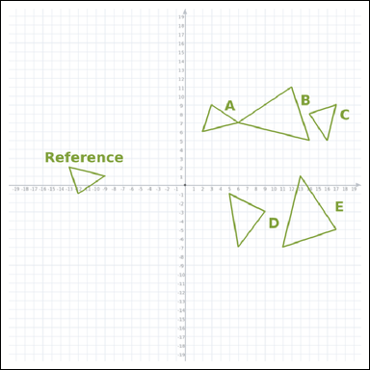 |  | task_geometry_similarity_count | congruent_count | You are given a graph-paper image with a Reference polygon and five labeled candidate polygons A through E. Work from the full similarity scene to answer the question. Among the labeled polygons, how many are congruent to the Reference? Return a valid JSON object with keys "evidence" and "answer" in that order. Evidence: set "evidence" to an array of every labeled polygon that matches the Reference among A through E. Answer: set "answer" to the integer count of the matching labeled polygons. Example JSON: {"evidence":["B","C"],"answer":8} | You are given a graph-paper image with a Reference polygon and five labeled candidate polygons A through E. Work from the full similarity scene to answer the question. Among the labeled polygons, how many are congruent to the Reference? Return a valid JSON object with key "answer". Answer: set "answer" to the integer count of the matching labeled polygons. Example JSON: {"answer":8} | {"evidence": ["A", "C"], "answer": 2} | ["A", "C"] | integer | label_set | 3.5425244173E+15 | geometry/task_geometry_similarity_count/images/congruent_count/0023.png | geometry/task_geometry_similarity_count/data/congruent_count/0023.json
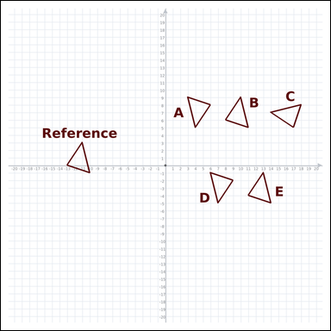 |  | task_geometry_similarity_count | congruent_count | You are given a graph-paper image with a Reference polygon and five labeled candidate polygons A through E. Determine the answer from the graph-paper similarity diagram. How many of the labeled polygons have the same shape and size as the Reference? Return a valid JSON object with keys "evidence" and "answer" in that order. Evidence rule: set "evidence" to an array of every labeled polygon that matches the Reference among A through E. Answer rule: set "answer" to the integer count of the matching labeled polygons. Example JSON: {"evidence":["B","C","D","E","F"],"answer":8} | You are given a graph-paper image with a Reference polygon and five labeled candidate polygons A through E. Determine the answer from the graph-paper similarity diagram. How many of the labeled polygons have the same shape and size as the Reference? Return a valid JSON object with key "answer". Answer format: set "answer" to the integer count of the matching labeled polygons. Example JSON: {"answer":8} | {"evidence": ["A", "B", "C", "D", "E"], "answer": 5} | ["A", "B", "C", "D", "E"] | integer | label_set | 3.578990658E+15 | geometry/task_geometry_similarity_count/images/congruent_count/0005.png | geometry/task_geometry_similarity_count/data/congruent_count/0005.json
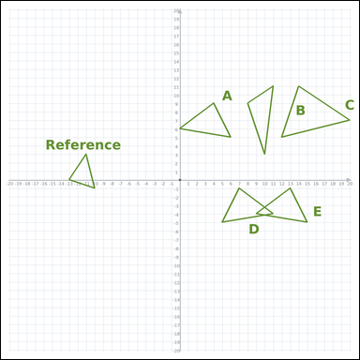 |  | task_geometry_similarity_count | congruent_count | Work from the graph-paper diagram showing a Reference polygon and five labeled candidate polygons A through E. Use the full graph-paper scene to answer the question. Among the labeled polygons, how many are congruent to the Reference? Return a valid JSON object with keys "evidence" and "answer" in that order. Evidence format: set "evidence" to an array of every labeled polygon that matches the Reference among A through E. Answer requirement: set "answer" to the integer count of the matching labeled polygons. Example JSON: {"evidence":[],"answer":8} | Work from the graph-paper diagram showing a Reference polygon and five labeled candidate polygons A through E. Use the full graph-paper scene to answer the question. Among the labeled polygons, how many are congruent to the Reference? Return a valid JSON object with key "answer". Answer format: set "answer" to the integer count of the matching labeled polygons. Example JSON: {"answer":8} | {"evidence": [], "answer": 0} | [] | integer | label_set | 4.2665358081E+15 | geometry/task_geometry_similarity_count/images/congruent_count/0004.png | geometry/task_geometry_similarity_count/data/congruent_count/0004.json
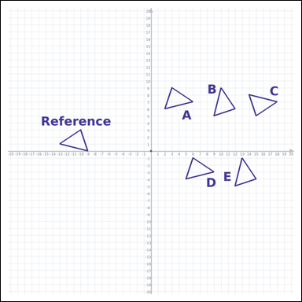 |  | task_geometry_similarity_count | congruent_count | Use the graph-paper image showing a Reference polygon and five labeled candidate polygons A through E. Determine the answer from the graph-paper similarity diagram. Among the labeled polygons, how many are congruent to the Reference? Return a valid JSON object with keys "evidence" and "answer" in that order. Evidence: set "evidence" to an array of every labeled polygon that matches the Reference among A through E. Answer: set "answer" to the integer count of the matching labeled polygons. Example JSON: {"evidence":["B","C","D","E","F"],"answer":8} | Use the graph-paper image showing a Reference polygon and five labeled candidate polygons A through E. Determine the answer from the graph-paper similarity diagram. Among the labeled polygons, how many are congruent to the Reference? Return a valid JSON object with key "answer". Answer format: set "answer" to the integer count of the matching labeled polygons. Example JSON: {"answer":8} | {"evidence": ["A", "B", "C", "D", "E"], "answer": 5} | ["A", "B", "C", "D", "E"] | integer | label_set | 4.2957198134E+15 | geometry/task_geometry_similarity_count/images/congruent_count/0014.png | geometry/task_geometry_similarity_count/data/congruent_count/0014.json
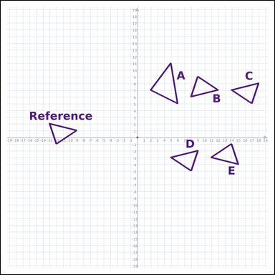 |  | task_geometry_similarity_count | congruent_count | Use the graph-paper image showing a Reference polygon and five labeled candidate polygons A through E. Answer the question using the graph-paper diagram. How many of the labeled polygons have the same shape and size as the Reference? Return a valid JSON object with keys "evidence" and "answer" in that order. Evidence field: set "evidence" to an array of every labeled polygon that matches the Reference among A through E. Answer field: set "answer" to the integer count of the matching labeled polygons. Example JSON: {"evidence":["B","C","D","E"],"answer":8} | Use the graph-paper image showing a Reference polygon and five labeled candidate polygons A through E. Answer the question using the graph-paper diagram. How many of the labeled polygons have the same shape and size as the Reference? Return a valid JSON object with key "answer". Answer requirement: set "answer" to the integer count of the matching labeled polygons. Example JSON: {"answer":8} | {"evidence": ["B", "C", "D", "E"], "answer": 4} | ["B", "C", "D", "E"] | integer | label_set | 4.3274716345E+15 | geometry/task_geometry_similarity_count/images/congruent_count/0022.png | geometry/task_geometry_similarity_count/data/congruent_count/0022.json
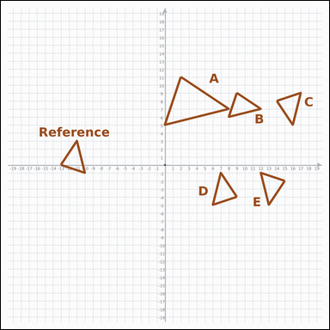 |  | task_geometry_similarity_count | congruent_count | You are given a graph-paper image with a Reference polygon and five labeled candidate polygons A through E. Determine the answer from the graph-paper similarity diagram. Count the labeled polygons that are congruent to the Reference. Return a valid JSON object with keys "evidence" and "answer" in that order. Evidence format: set "evidence" to an array of every labeled polygon that matches the Reference among A through E. Answer requirement: set "answer" to the integer count of the matching labeled polygons. Example JSON: {"evidence":["B","C","D","E"],"answer":8} | You are given a graph-paper image with a Reference polygon and five labeled candidate polygons A through E. Determine the answer from the graph-paper similarity diagram. Count the labeled polygons that are congruent to the Reference. Return a valid JSON object with key "answer". Answer format: set "answer" to the integer count of the matching labeled polygons. Example JSON: {"answer":8} | {"evidence": ["B", "C", "D", "E"], "answer": 4} | ["B", "C", "D", "E"] | integer | label_set | 4.3369635068E+15 | geometry/task_geometry_similarity_count/images/congruent_count/0009.png | geometry/task_geometry_similarity_count/data/congruent_count/0009.json
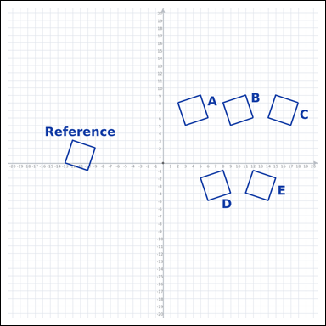 |  | task_geometry_similarity_count | congruent_count | The graph-paper image shows a Reference polygon and five labeled candidate polygons A through E. Use the full graph-paper scene to answer the question. Count the labeled polygons that are congruent to the Reference. Return a valid JSON object with keys "evidence" and "answer" in that order. Evidence rule: set "evidence" to an array of every labeled polygon that matches the Reference among A through E. Answer rule: set "answer" to the integer count of the matching labeled polygons. Example JSON: {"evidence":["B","C","D","E","F"],"answer":8} | The graph-paper image shows a Reference polygon and five labeled candidate polygons A through E. Use the full graph-paper scene to answer the question. Count the labeled polygons that are congruent to the Reference. Return a valid JSON object with key "answer". Answer requirement: set "answer" to the integer count of the matching labeled polygons. Example JSON: {"answer":8} | {"evidence": ["A", "B", "C", "D", "E"], "answer": 5} | ["A", "B", "C", "D", "E"] | integer | label_set | 4.6712180178E+15 | geometry/task_geometry_similarity_count/images/congruent_count/0016.png | geometry/task_geometry_similarity_count/data/congruent_count/0016.json
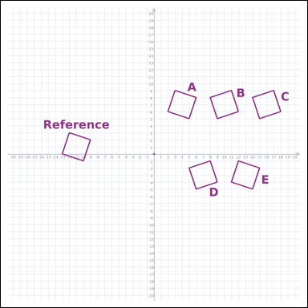 |  | task_geometry_similarity_count | congruent_count | Work from the graph-paper diagram showing a Reference polygon and five labeled candidate polygons A through E. Work from the full similarity scene to answer the question. How many labeled polygons are congruent to the Reference? Return a valid JSON object with keys "evidence" and "answer" in that order. Evidence: set "evidence" to an array of every labeled polygon that matches the Reference among A through E. Answer: set "answer" to the integer count of the matching labeled polygons. Example JSON: {"evidence":["B","C","D","E","F"],"answer":8} | Work from the graph-paper diagram showing a Reference polygon and five labeled candidate polygons A through E. Work from the full similarity scene to answer the question. How many labeled polygons are congruent to the Reference? Return a valid JSON object with key "answer". Answer requirement: set "answer" to the integer count of the matching labeled polygons. Example JSON: {"answer":8} | {"evidence": ["A", "B", "C", "D", "E"], "answer": 5} | ["A", "B", "C", "D", "E"] | integer | label_set | 4.8940911656E+15 | geometry/task_geometry_similarity_count/images/congruent_count/0021.png | geometry/task_geometry_similarity_count/data/congruent_count/0021.json
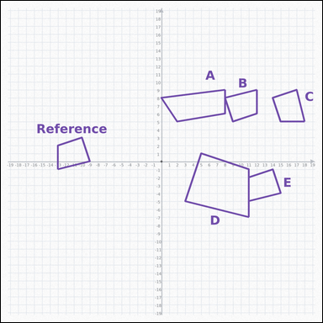 |  | task_geometry_similarity_count | congruent_count | Work from the graph-paper diagram showing a Reference polygon and five labeled candidate polygons A through E. Read the Reference polygon and all labeled candidates carefully, then answer the question. How many labeled polygons are congruent to the Reference? Return a valid JSON object with keys "evidence" and "answer" in that order. Evidence: set "evidence" to an array of every labeled polygon that matches the Reference among A through E. Answer: set "answer" to the integer count of the matching labeled polygons. Example JSON: {"evidence":["B","C","D"],"answer":8} | Work from the graph-paper diagram showing a Reference polygon and five labeled candidate polygons A through E. Read the Reference polygon and all labeled candidates carefully, then answer the question. How many labeled polygons are congruent to the Reference? Return a valid JSON object with key "answer". Answer requirement: set "answer" to the integer count of the matching labeled polygons. Example JSON: {"answer":8} | {"evidence": ["B", "C", "E"], "answer": 3} | ["B", "C", "E"] | integer | label_set | 5.0178357317E+15 | geometry/task_geometry_similarity_count/images/congruent_count/0008.png | geometry/task_geometry_similarity_count/data/congruent_count/0008.json
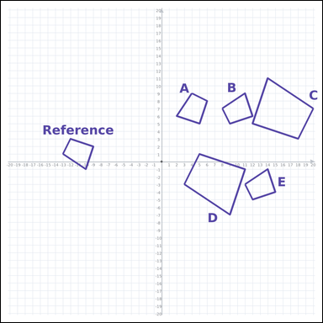 |  | task_geometry_similarity_count | congruent_count | Look at the graph-paper diagram. It shows a Reference polygon and five labeled candidate polygons A through E. Determine the answer from the graph-paper similarity diagram. Among the labeled polygons, how many are congruent to the Reference? Return a valid JSON object with keys "evidence" and "answer" in that order. Evidence requirement: set "evidence" to an array of every labeled polygon that matches the Reference among A through E. Answer format: set "answer" to the integer count of the matching labeled polygons. Example JSON: {"evidence":["B","C","D"],"answer":8} | Look at the graph-paper diagram. It shows a Reference polygon and five labeled candidate polygons A through E. Determine the answer from the graph-paper similarity diagram. Among the labeled polygons, how many are congruent to the Reference? Return a valid JSON object with key "answer". Answer requirement: set "answer" to the integer count of the matching labeled polygons. Example JSON: {"answer":8} | {"evidence": ["A", "B", "E"], "answer": 3} | ["A", "B", "E"] | integer | label_set | 5.9006427929E+15 | geometry/task_geometry_similarity_count/images/congruent_count/0003.png | geometry/task_geometry_similarity_count/data/congruent_count/0003.json
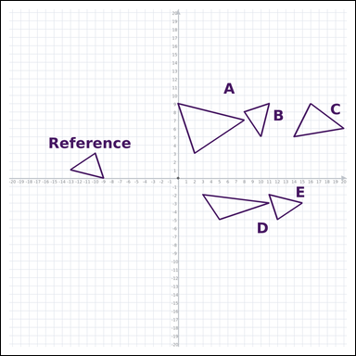 |  | task_geometry_similarity_count | congruent_count | The graph-paper image shows a Reference polygon and five labeled candidate polygons A through E. Determine the answer from the graph-paper similarity diagram. Among the labeled polygons, how many are congruent to the Reference? Return a valid JSON object with keys "evidence" and "answer" in that order. Evidence: set "evidence" to an array of every labeled polygon that matches the Reference among A through E. Answer: set "answer" to the integer count of the matching labeled polygons. Example JSON: {"evidence":["B","C"],"answer":8} | The graph-paper image shows a Reference polygon and five labeled candidate polygons A through E. Determine the answer from the graph-paper similarity diagram. Among the labeled polygons, how many are congruent to the Reference? Return a valid JSON object with key "answer". Answer field: set "answer" to the integer count of the matching labeled polygons. Example JSON: {"answer":8} | {"evidence": ["B", "E"], "answer": 2} | ["B", "E"] | integer | label_set | 6.2217375358E+15 | geometry/task_geometry_similarity_count/images/congruent_count/0019.png | geometry/task_geometry_similarity_count/data/congruent_count/0019.json
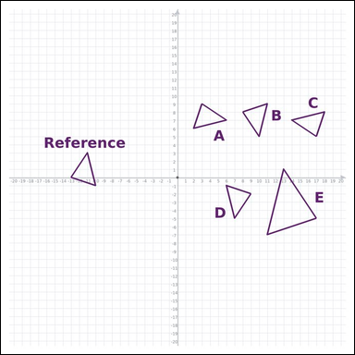 |  | task_geometry_similarity_count | congruent_count | Look at the graph-paper diagram. It shows a Reference polygon and five labeled candidate polygons A through E. Use the full graph-paper scene to answer the question. How many labeled polygons are congruent to the Reference? Return a valid JSON object with keys "evidence" and "answer" in that order. Evidence rule: set "evidence" to an array of every labeled polygon that matches the Reference among A through E. Answer rule: set "answer" to the integer count of the matching labeled polygons. Example JSON: {"evidence":["B","C","D","E"],"answer":8} | Look at the graph-paper diagram. It shows a Reference polygon and five labeled candidate polygons A through E. Use the full graph-paper scene to answer the question. How many labeled polygons are congruent to the Reference? Return a valid JSON object with key "answer". Answer field: set "answer" to the integer count of the matching labeled polygons. Example JSON: {"answer":8} | {"evidence": ["A", "B", "C", "D"], "answer": 4} | ["A", "B", "C", "D"] | integer | label_set | 7.0690895627E+15 | geometry/task_geometry_similarity_count/images/congruent_count/0010.png | geometry/task_geometry_similarity_count/data/congruent_count/0010.json
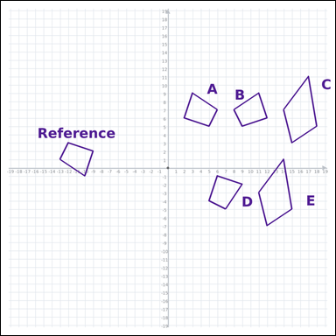 |  | task_geometry_similarity_count | congruent_count | Look at the graph-paper diagram. It shows a Reference polygon and five labeled candidate polygons A through E. Work from the full similarity scene to answer the question. How many of the labeled polygons have the same shape and size as the Reference? Return a valid JSON object with keys "evidence" and "answer" in that order. Evidence rule: set "evidence" to an array of every labeled polygon that matches the Reference among A through E. Answer rule: set "answer" to the integer count of the matching labeled polygons. Example JSON: {"evidence":["B","C","D"],"answer":8} | Look at the graph-paper diagram. It shows a Reference polygon and five labeled candidate polygons A through E. Work from the full similarity scene to answer the question. How many of the labeled polygons have the same shape and size as the Reference? Return a valid JSON object with key "answer". Answer field: set "answer" to the integer count of the matching labeled polygons. Example JSON: {"answer":8} | {"evidence": ["A", "B", "D"], "answer": 3} | ["A", "B", "D"] | integer | label_set | 7.2188610701E+15 | geometry/task_geometry_similarity_count/images/congruent_count/0013.png | geometry/task_geometry_similarity_count/data/congruent_count/0013.json
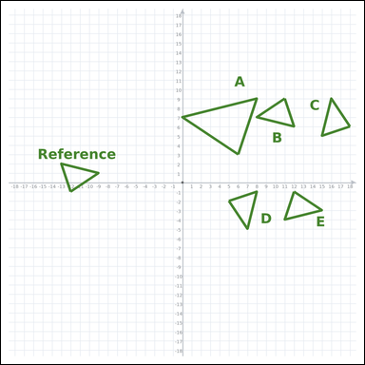 |  | task_geometry_similarity_count | congruent_count | Look at the graph-paper diagram. It shows a Reference polygon and five labeled candidate polygons A through E. Work from the full similarity scene to answer the question. Count the labeled polygons that match the Reference exactly in shape and size. Return a valid JSON object with keys "evidence" and "answer" in that order. Evidence field: set "evidence" to an array of every labeled polygon that matches the Reference among A through E. Answer field: set "answer" to the integer count of the matching labeled polygons. Example JSON: {"evidence":["B","C","D","E"],"answer":8} | Look at the graph-paper diagram. It shows a Reference polygon and five labeled candidate polygons A through E. Work from the full similarity scene to answer the question. Count the labeled polygons that match the Reference exactly in shape and size. Return a valid JSON object with key "answer". Answer rule: set "answer" to the integer count of the matching labeled polygons. Example JSON: {"answer":8} | {"evidence": ["B", "C", "D", "E"], "answer": 4} | ["B", "C", "D", "E"] | integer | label_set | 7.2615771908E+15 | geometry/task_geometry_similarity_count/images/congruent_count/0015.png | geometry/task_geometry_similarity_count/data/congruent_count/0015.json
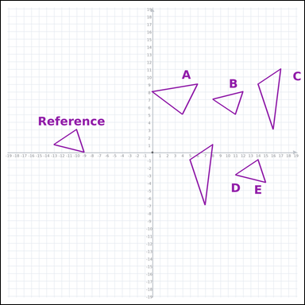 |  | task_geometry_similarity_count | congruent_count | The graph-paper image shows a Reference polygon and five labeled candidate polygons A through E. Answer the question using the graph-paper diagram. How many of the labeled polygons have the same shape and size as the Reference? Return a valid JSON object with keys "evidence" and "answer" in that order. Evidence requirement: set "evidence" to an array of every labeled polygon that matches the Reference among A through E. Answer format: set "answer" to the integer count of the matching labeled polygons. Example JSON: {"evidence":["B","C"],"answer":8} | The graph-paper image shows a Reference polygon and five labeled candidate polygons A through E. Answer the question using the graph-paper diagram. How many of the labeled polygons have the same shape and size as the Reference? Return a valid JSON object with key "answer". Answer field: set "answer" to the integer count of the matching labeled polygons. Example JSON: {"answer":8} | {"evidence": ["B", "E"], "answer": 2} | ["B", "E"] | integer | label_set | 8.5290190985E+15 | geometry/task_geometry_similarity_count/images/congruent_count/0000.png | geometry/task_geometry_similarity_count/data/congruent_count/0000.json
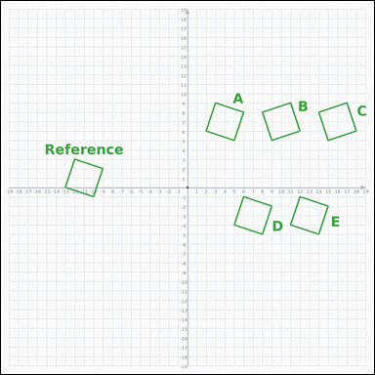 |  | task_geometry_similarity_count | congruent_count | Use the graph-paper image showing a Reference polygon and five labeled candidate polygons A through E. Determine the answer from the graph-paper similarity diagram. How many labeled polygons are congruent to the Reference? Return a valid JSON object with keys "evidence" and "answer" in that order. Evidence rule: set "evidence" to an array of every labeled polygon that matches the Reference among A through E. Answer rule: set "answer" to the integer count of the matching labeled polygons. Example JSON: {"evidence":["B","C","D","E","F"],"answer":8} | Use the graph-paper image showing a Reference polygon and five labeled candidate polygons A through E. Determine the answer from the graph-paper similarity diagram. How many labeled polygons are congruent to the Reference? Return a valid JSON object with key "answer". Answer: set "answer" to the integer count of the matching labeled polygons. Example JSON: {"answer":8} | {"evidence": ["A", "B", "C", "D", "E"], "answer": 5} | ["A", "B", "C", "D", "E"] | integer | label_set | 8.8082790273E+15 | geometry/task_geometry_similarity_count/images/congruent_count/0006.png | geometry/task_geometry_similarity_count/data/congruent_count/0006.json

similar_count
image | evidence_image | task | task_variant | prompt | prompt_answer_only | answer | answer_evidence | answer_type | evidence_type | instance_seed | image_path | data_path
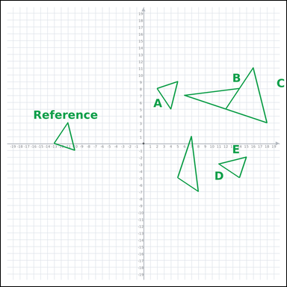 |  | task_geometry_similarity_count | similar_count | Look at the graph-paper diagram. It shows a Reference polygon and five labeled candidate polygons A through E. Read the Reference polygon and all labeled candidates carefully, then answer the question. How many of the labeled polygons have the same shape as the Reference, possibly at a different size? Return a valid JSON object with keys "evidence" and "answer" in that order. Evidence requirement: set "evidence" to an array of every labeled polygon that matches the Reference among A through E. Answer format: set "answer" to the integer count of the matching labeled polygons. Example JSON: {"evidence":["B","C","D"],"answer":8} | Look at the graph-paper diagram. It shows a Reference polygon and five labeled candidate polygons A through E. Read the Reference polygon and all labeled candidates carefully, then answer the question. How many of the labeled polygons have the same shape as the Reference, possibly at a different size? Return a valid JSON object with key "answer". Answer format: set "answer" to the integer count of the matching labeled polygons. Example JSON: {"answer":8} | {"evidence": ["A", "C", "E"], "answer": 3} | ["A", "C", "E"] | integer | label_set | 102226705553853 | geometry/task_geometry_similarity_count/images/similar_count/0019.png | geometry/task_geometry_similarity_count/data/similar_count/0019.json
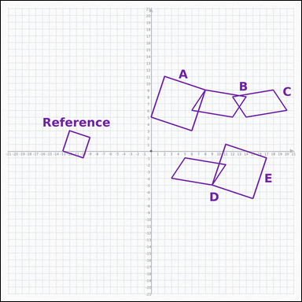 |  | task_geometry_similarity_count | similar_count | Use the graph-paper image showing a Reference polygon and five labeled candidate polygons A through E. Work from the full similarity scene to answer the question. How many labeled polygons are similar to the Reference? Return a valid JSON object with keys "evidence" and "answer" in that order. Evidence field: set "evidence" to an array of every labeled polygon that matches the Reference among A through E. Answer field: set "answer" to the integer count of the matching labeled polygons. Example JSON: {"evidence":["B","C"],"answer":8} | Use the graph-paper image showing a Reference polygon and five labeled candidate polygons A through E. Work from the full similarity scene to answer the question. How many labeled polygons are similar to the Reference? Return a valid JSON object with key "answer". Answer format: set "answer" to the integer count of the matching labeled polygons. Example JSON: {"answer":8} | {"evidence": ["A", "E"], "answer": 2} | ["A", "E"] | integer | label_set | 876742353917726 | geometry/task_geometry_similarity_count/images/similar_count/0014.png | geometry/task_geometry_similarity_count/data/similar_count/0014.json
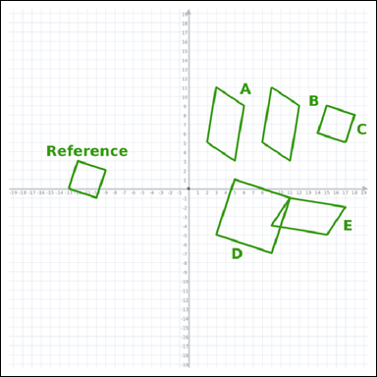 |  | task_geometry_similarity_count | similar_count | Use the graph-paper image showing a Reference polygon and five labeled candidate polygons A through E. Use the full graph-paper scene to answer the question. Count the labeled polygons that match the Reference in shape, even if the size changes. Return a valid JSON object with keys "evidence" and "answer" in that order. Evidence: set "evidence" to an array of every labeled polygon that matches the Reference among A through E. Answer: set "answer" to the integer count of the matching labeled polygons. Example JSON: {"evidence":["B","C"],"answer":8} | Use the graph-paper image showing a Reference polygon and five labeled candidate polygons A through E. Use the full graph-paper scene to answer the question. Count the labeled polygons that match the Reference in shape, even if the size changes. Return a valid JSON object with key "answer". Answer rule: set "answer" to the integer count of the matching labeled polygons. Example JSON: {"answer":8} | {"evidence": ["C", "D"], "answer": 2} | ["C", "D"] | integer | label_set | 893570298423734 | geometry/task_geometry_similarity_count/images/similar_count/0010.png | geometry/task_geometry_similarity_count/data/similar_count/0010.json
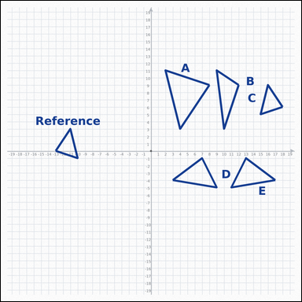 |  | task_geometry_similarity_count | similar_count | Work from the graph-paper diagram showing a Reference polygon and five labeled candidate polygons A through E. Answer the question using the graph-paper diagram. How many labeled polygons are similar to the Reference? Return a valid JSON object with keys "evidence" and "answer" in that order. Evidence rule: set "evidence" to an array of every labeled polygon that matches the Reference among A through E. Answer rule: set "answer" to the integer count of the matching labeled polygons. Example JSON: {"evidence":["B","C"],"answer":8} | Work from the graph-paper diagram showing a Reference polygon and five labeled candidate polygons A through E. Answer the question using the graph-paper diagram. How many labeled polygons are similar to the Reference? Return a valid JSON object with key "answer". Answer: set "answer" to the integer count of the matching labeled polygons. Example JSON: {"answer":8} | {"evidence": ["A", "C"], "answer": 2} | ["A", "C"] | integer | label_set | 1.2805081403E+15 | geometry/task_geometry_similarity_count/images/similar_count/0023.png | geometry/task_geometry_similarity_count/data/similar_count/0023.json
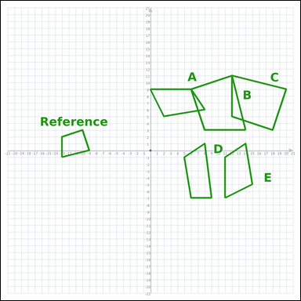 |  | task_geometry_similarity_count | similar_count | You are given a graph-paper image with a Reference polygon and five labeled candidate polygons A through E. Read the Reference polygon and all labeled candidates carefully, then answer the question. Count the labeled polygons that are similar to the Reference. Return a valid JSON object with keys "evidence" and "answer" in that order. Evidence requirement: set "evidence" to an array of every labeled polygon that matches the Reference among A through E. Answer format: set "answer" to the integer count of the matching labeled polygons. Example JSON: {"evidence":["B","C"],"answer":8} | You are given a graph-paper image with a Reference polygon and five labeled candidate polygons A through E. Read the Reference polygon and all labeled candidates carefully, then answer the question. Count the labeled polygons that are similar to the Reference. Return a valid JSON object with key "answer". Answer: set "answer" to the integer count of the matching labeled polygons. Example JSON: {"answer":8} | {"evidence": ["B", "C"], "answer": 2} | ["B", "C"] | integer | label_set | 2.5354536485E+15 | geometry/task_geometry_similarity_count/images/similar_count/0022.png | geometry/task_geometry_similarity_count/data/similar_count/0022.json
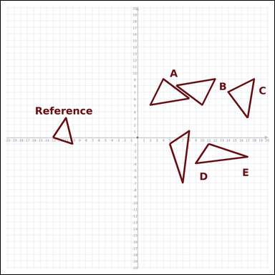 |  | task_geometry_similarity_count | similar_count | Work from the graph-paper diagram showing a Reference polygon and five labeled candidate polygons A through E. Work from the full similarity scene to answer the question. How many labeled polygons are similar to the Reference? Return a valid JSON object with keys "evidence" and "answer" in that order. Evidence rule: set "evidence" to an array of every labeled polygon that matches the Reference among A through E. Answer rule: set "answer" to the integer count of the matching labeled polygons. Example JSON: {"evidence":[],"answer":8} | Work from the graph-paper diagram showing a Reference polygon and five labeled candidate polygons A through E. Work from the full similarity scene to answer the question. How many labeled polygons are similar to the Reference? Return a valid JSON object with key "answer". Answer field: set "answer" to the integer count of the matching labeled polygons. Example JSON: {"answer":8} | {"evidence": [], "answer": 0} | [] | integer | label_set | 2.7457990312E+15 | geometry/task_geometry_similarity_count/images/similar_count/0009.png | geometry/task_geometry_similarity_count/data/similar_count/0009.json
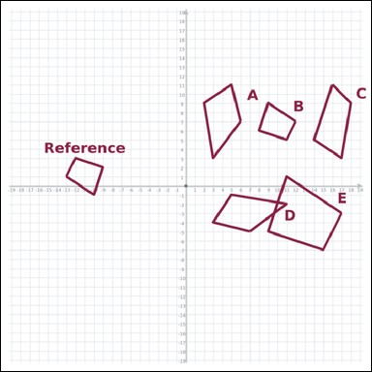 |  | task_geometry_similarity_count | similar_count | Use the graph-paper image showing a Reference polygon and five labeled candidate polygons A through E. Read the Reference polygon and all labeled candidates carefully, then answer the question. Among the labeled polygons, how many are similar to the Reference? Return a valid JSON object with keys "evidence" and "answer" in that order. Evidence requirement: set "evidence" to an array of every labeled polygon that matches the Reference among A through E. Answer format: set "answer" to the integer count of the matching labeled polygons. Example JSON: {"evidence":["B","C"],"answer":8} | Use the graph-paper image showing a Reference polygon and five labeled candidate polygons A through E. Read the Reference polygon and all labeled candidates carefully, then answer the question. Among the labeled polygons, how many are similar to the Reference? Return a valid JSON object with key "answer". Answer rule: set "answer" to the integer count of the matching labeled polygons. Example JSON: {"answer":8} | {"evidence": ["B", "E"], "answer": 2} | ["B", "E"] | integer | label_set | 2.7895293396E+15 | geometry/task_geometry_similarity_count/images/similar_count/0013.png | geometry/task_geometry_similarity_count/data/similar_count/0013.json
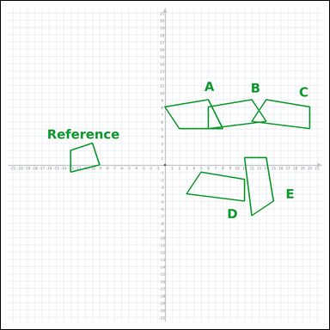 |  | task_geometry_similarity_count | similar_count | Use the graph-paper image showing a Reference polygon and five labeled candidate polygons A through E. Work from the full similarity scene to answer the question. How many labeled polygons are similar to the Reference? Return a valid JSON object with keys "evidence" and "answer" in that order. Evidence format: set "evidence" to an array of every labeled polygon that matches the Reference among A through E. Answer requirement: set "answer" to the integer count of the matching labeled polygons. Example JSON: {"evidence":[],"answer":8} | Use the graph-paper image showing a Reference polygon and five labeled candidate polygons A through E. Work from the full similarity scene to answer the question. How many labeled polygons are similar to the Reference? Return a valid JSON object with key "answer". Answer format: set "answer" to the integer count of the matching labeled polygons. Example JSON: {"answer":8} | {"evidence": [], "answer": 0} | [] | integer | label_set | 3.0096392791E+15 | geometry/task_geometry_similarity_count/images/similar_count/0000.png | geometry/task_geometry_similarity_count/data/similar_count/0000.json
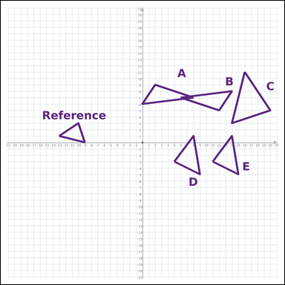 |  | task_geometry_similarity_count | similar_count | Use the graph-paper image showing a Reference polygon and five labeled candidate polygons A through E. Use the full graph-paper scene to answer the question. How many of the labeled polygons have the same shape as the Reference, possibly at a different size? Return a valid JSON object with keys "evidence" and "answer" in that order. Evidence: set "evidence" to an array of every labeled polygon that matches the Reference among A through E. Answer: set "answer" to the integer count of the matching labeled polygons. Example JSON: {"evidence":["A"],"answer":8} | Use the graph-paper image showing a Reference polygon and five labeled candidate polygons A through E. Use the full graph-paper scene to answer the question. How many of the labeled polygons have the same shape as the Reference, possibly at a different size? Return a valid JSON object with key "answer". Answer rule: set "answer" to the integer count of the matching labeled polygons. Example JSON: {"answer":8} | {"evidence": ["C"], "answer": 1} | ["C"] | integer | label_set | 3.4233144084E+15 | geometry/task_geometry_similarity_count/images/similar_count/0007.png | geometry/task_geometry_similarity_count/data/similar_count/0007.json
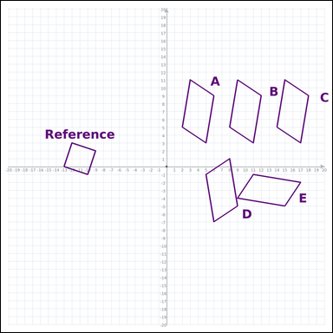 |  | task_geometry_similarity_count | similar_count | Look at the graph-paper diagram. It shows a Reference polygon and five labeled candidate polygons A through E. Use the full graph-paper scene to answer the question. Among the labeled polygons, how many are similar to the Reference? Return a valid JSON object with keys "evidence" and "answer" in that order. Evidence rule: set "evidence" to an array of every labeled polygon that matches the Reference among A through E. Answer rule: set "answer" to the integer count of the matching labeled polygons. Example JSON: {"evidence":[],"answer":8} | Look at the graph-paper diagram. It shows a Reference polygon and five labeled candidate polygons A through E. Use the full graph-paper scene to answer the question. Among the labeled polygons, how many are similar to the Reference? Return a valid JSON object with key "answer". Answer field: set "answer" to the integer count of the matching labeled polygons. Example JSON: {"answer":8} | {"evidence": [], "answer": 0} | [] | integer | label_set | 3.6571212564E+15 | geometry/task_geometry_similarity_count/images/similar_count/0004.png | geometry/task_geometry_similarity_count/data/similar_count/0004.json
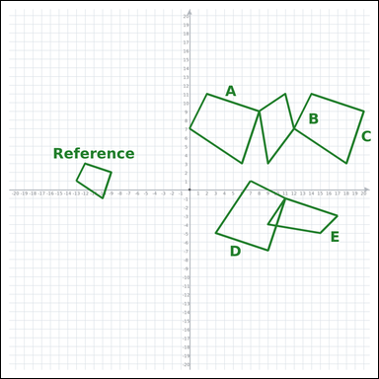 |  | task_geometry_similarity_count | similar_count | The graph-paper image shows a Reference polygon and five labeled candidate polygons A through E. Answer the question using the graph-paper diagram. How many labeled polygons are similar to the Reference? Return a valid JSON object with keys "evidence" and "answer" in that order. Evidence format: set "evidence" to an array of every labeled polygon that matches the Reference among A through E. Answer requirement: set "answer" to the integer count of the matching labeled polygons. Example JSON: {"evidence":["B","C","D"],"answer":8} | The graph-paper image shows a Reference polygon and five labeled candidate polygons A through E. Answer the question using the graph-paper diagram. How many labeled polygons are similar to the Reference? Return a valid JSON object with key "answer". Answer requirement: set "answer" to the integer count of the matching labeled polygons. Example JSON: {"answer":8} | {"evidence": ["A", "C", "D"], "answer": 3} | ["A", "C", "D"] | integer | label_set | 3.8107440563E+15 | geometry/task_geometry_similarity_count/images/similar_count/0002.png | geometry/task_geometry_similarity_count/data/similar_count/0002.json
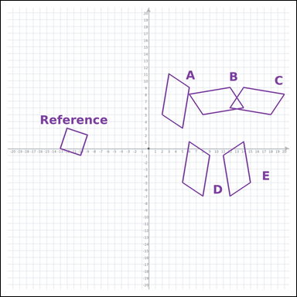 |  | task_geometry_similarity_count | similar_count | Look at the graph-paper diagram. It shows a Reference polygon and five labeled candidate polygons A through E. Determine the answer from the graph-paper similarity diagram. How many labeled polygons are similar to the Reference? Return a valid JSON object with keys "evidence" and "answer" in that order. Evidence field: set "evidence" to an array of every labeled polygon that matches the Reference among A through E. Answer field: set "answer" to the integer count of the matching labeled polygons. Example JSON: {"evidence":[],"answer":8} | Look at the graph-paper diagram. It shows a Reference polygon and five labeled candidate polygons A through E. Determine the answer from the graph-paper similarity diagram. How many labeled polygons are similar to the Reference? Return a valid JSON object with key "answer". Answer rule: set "answer" to the integer count of the matching labeled polygons. Example JSON: {"answer":8} | {"evidence": [], "answer": 0} | [] | integer | label_set | 3.8542190051E+15 | geometry/task_geometry_similarity_count/images/similar_count/0018.png | geometry/task_geometry_similarity_count/data/similar_count/0018.json
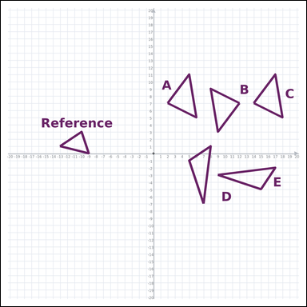 |  | task_geometry_similarity_count | similar_count | Look at the graph-paper diagram. It shows a Reference polygon and five labeled candidate polygons A through E. Use the full graph-paper scene to answer the question. Count the labeled polygons that are similar to the Reference. Return a valid JSON object with keys "evidence" and "answer" in that order. Evidence field: set "evidence" to an array of every labeled polygon that matches the Reference among A through E. Answer field: set "answer" to the integer count of the matching labeled polygons. Example JSON: {"evidence":[],"answer":8} | Look at the graph-paper diagram. It shows a Reference polygon and five labeled candidate polygons A through E. Use the full graph-paper scene to answer the question. Count the labeled polygons that are similar to the Reference. Return a valid JSON object with key "answer". Answer rule: set "answer" to the integer count of the matching labeled polygons. Example JSON: {"answer":8} | {"evidence": [], "answer": 0} | [] | integer | label_set | 4.9561581287E+15 | geometry/task_geometry_similarity_count/images/similar_count/0003.png | geometry/task_geometry_similarity_count/data/similar_count/0003.json
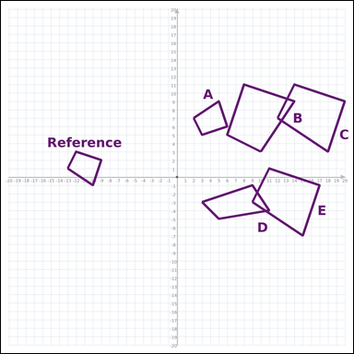 |  | task_geometry_similarity_count | similar_count | Use the graph-paper image showing a Reference polygon and five labeled candidate polygons A through E. Read the Reference polygon and all labeled candidates carefully, then answer the question. How many of the labeled polygons have the same shape as the Reference, possibly at a different size? Return a valid JSON object with keys "evidence" and "answer" in that order. Evidence requirement: set "evidence" to an array of every labeled polygon that matches the Reference among A through E. Answer format: set "answer" to the integer count of the matching labeled polygons. Example JSON: {"evidence":["B","C","D","E"],"answer":8} | Use the graph-paper image showing a Reference polygon and five labeled candidate polygons A through E. Read the Reference polygon and all labeled candidates carefully, then answer the question. How many of the labeled polygons have the same shape as the Reference, possibly at a different size? Return a valid JSON object with key "answer". Answer rule: set "answer" to the integer count of the matching labeled polygons. Example JSON: {"answer":8} | {"evidence": ["A", "B", "C", "E"], "answer": 4} | ["A", "B", "C", "E"] | integer | label_set | 6.1058013971E+15 | geometry/task_geometry_similarity_count/images/similar_count/0015.png | geometry/task_geometry_similarity_count/data/similar_count/0015.json
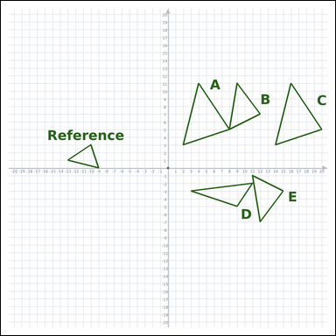 |  | task_geometry_similarity_count | similar_count | The graph-paper image shows a Reference polygon and five labeled candidate polygons A through E. Determine the answer from the graph-paper similarity diagram. How many of the labeled polygons have the same shape as the Reference, possibly at a different size? Return a valid JSON object with keys "evidence" and "answer" in that order. Evidence rule: set "evidence" to an array of every labeled polygon that matches the Reference among A through E. Answer rule: set "answer" to the integer count of the matching labeled polygons. Example JSON: {"evidence":["B","C"],"answer":8} | The graph-paper image shows a Reference polygon and five labeled candidate polygons A through E. Determine the answer from the graph-paper similarity diagram. How many of the labeled polygons have the same shape as the Reference, possibly at a different size? Return a valid JSON object with key "answer". Answer format: set "answer" to the integer count of the matching labeled polygons. Example JSON: {"answer":8} | {"evidence": ["A", "C"], "answer": 2} | ["A", "C"] | integer | label_set | 6.3742148778E+15 | geometry/task_geometry_similarity_count/images/similar_count/0011.png | geometry/task_geometry_similarity_count/data/similar_count/0011.json
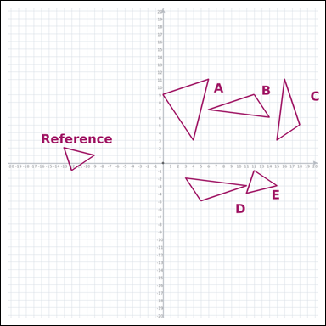 |  | task_geometry_similarity_count | similar_count | Work from the graph-paper diagram showing a Reference polygon and five labeled candidate polygons A through E. Read the Reference polygon and all labeled candidates carefully, then answer the question. How many of the labeled polygons have the same shape as the Reference, possibly at a different size? Return a valid JSON object with keys "evidence" and "answer" in that order. Evidence requirement: set "evidence" to an array of every labeled polygon that matches the Reference among A through E. Answer format: set "answer" to the integer count of the matching labeled polygons. Example JSON: {"evidence":["B","C"],"answer":8} | Work from the graph-paper diagram showing a Reference polygon and five labeled candidate polygons A through E. Read the Reference polygon and all labeled candidates carefully, then answer the question. How many of the labeled polygons have the same shape as the Reference, possibly at a different size? Return a valid JSON object with key "answer". Answer field: set "answer" to the integer count of the matching labeled polygons. Example JSON: {"answer":8} | {"evidence": ["A", "E"], "answer": 2} | ["A", "E"] | integer | label_set | 6.6538544833E+15 | geometry/task_geometry_similarity_count/images/similar_count/0017.png | geometry/task_geometry_similarity_count/data/similar_count/0017.json
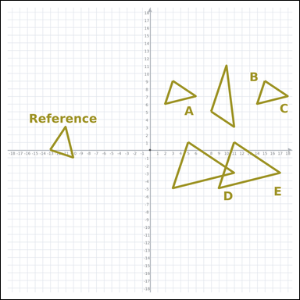 |  | task_geometry_similarity_count | similar_count | Work from the graph-paper diagram showing a Reference polygon and five labeled candidate polygons A through E. Use the full graph-paper scene to answer the question. How many of the labeled polygons have the same shape as the Reference, possibly at a different size? Return a valid JSON object with keys "evidence" and "answer" in that order. Evidence rule: set "evidence" to an array of every labeled polygon that matches the Reference among A through E. Answer rule: set "answer" to the integer count of the matching labeled polygons. Example JSON: {"evidence":["B","C","D","E"],"answer":8} | Work from the graph-paper diagram showing a Reference polygon and five labeled candidate polygons A through E. Use the full graph-paper scene to answer the question. How many of the labeled polygons have the same shape as the Reference, possibly at a different size? Return a valid JSON object with key "answer". Answer rule: set "answer" to the integer count of the matching labeled polygons. Example JSON: {"answer":8} | {"evidence": ["A", "C", "D", "E"], "answer": 4} | ["A", "C", "D", "E"] | integer | label_set | 6.8127220461E+15 | geometry/task_geometry_similarity_count/images/similar_count/0006.png | geometry/task_geometry_similarity_count/data/similar_count/0006.json
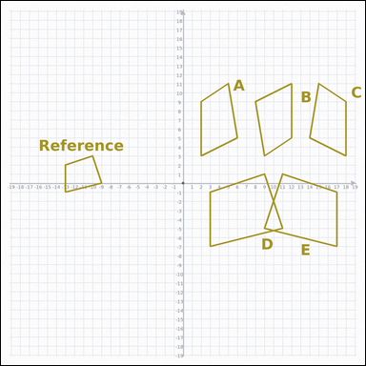 |  | task_geometry_similarity_count | similar_count | Work from the graph-paper diagram showing a Reference polygon and five labeled candidate polygons A through E. Read the Reference polygon and all labeled candidates carefully, then answer the question. How many of the labeled polygons have the same shape as the Reference, possibly at a different size? Return a valid JSON object with keys "evidence" and "answer" in that order. Evidence rule: set "evidence" to an array of every labeled polygon that matches the Reference among A through E. Answer rule: set "answer" to the integer count of the matching labeled polygons. Example JSON: {"evidence":["B","C"],"answer":8} | Work from the graph-paper diagram showing a Reference polygon and five labeled candidate polygons A through E. Read the Reference polygon and all labeled candidates carefully, then answer the question. How many of the labeled polygons have the same shape as the Reference, possibly at a different size? Return a valid JSON object with key "answer". Answer requirement: set "answer" to the integer count of the matching labeled polygons. Example JSON: {"answer":8} | {"evidence": ["D", "E"], "answer": 2} | ["D", "E"] | integer | label_set | 7.162182602E+15 | geometry/task_geometry_similarity_count/images/similar_count/0008.png | geometry/task_geometry_similarity_count/data/similar_count/0008.json
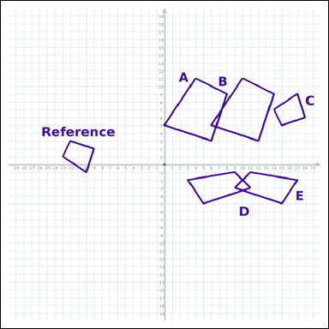 |  | task_geometry_similarity_count | similar_count | The graph-paper image shows a Reference polygon and five labeled candidate polygons A through E. Work from the full similarity scene to answer the question. How many of the labeled polygons have the same shape as the Reference, possibly at a different size? Return a valid JSON object with keys "evidence" and "answer" in that order. Evidence rule: set "evidence" to an array of every labeled polygon that matches the Reference among A through E. Answer rule: set "answer" to the integer count of the matching labeled polygons. Example JSON: {"evidence":["B","C","D"],"answer":8} | The graph-paper image shows a Reference polygon and five labeled candidate polygons A through E. Work from the full similarity scene to answer the question. How many of the labeled polygons have the same shape as the Reference, possibly at a different size? Return a valid JSON object with key "answer". Answer requirement: set "answer" to the integer count of the matching labeled polygons. Example JSON: {"answer":8} | {"evidence": ["A", "B", "C"], "answer": 3} | ["A", "B", "C"] | integer | label_set | 7.5889133976E+15 | geometry/task_geometry_similarity_count/images/similar_count/0005.png | geometry/task_geometry_similarity_count/data/similar_count/0005.json
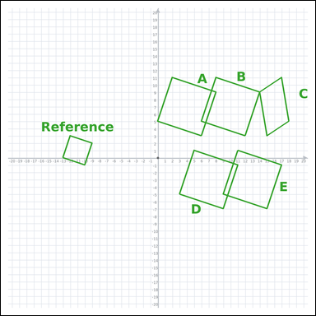 |  | task_geometry_similarity_count | similar_count | Work from the graph-paper diagram showing a Reference polygon and five labeled candidate polygons A through E. Determine the answer from the graph-paper similarity diagram. How many labeled polygons are similar to the Reference? Return a valid JSON object with keys "evidence" and "answer" in that order. Evidence format: set "evidence" to an array of every labeled polygon that matches the Reference among A through E. Answer requirement: set "answer" to the integer count of the matching labeled polygons. Example JSON: {"evidence":["B","C","D","E"],"answer":8} | Work from the graph-paper diagram showing a Reference polygon and five labeled candidate polygons A through E. Determine the answer from the graph-paper similarity diagram. How many labeled polygons are similar to the Reference? Return a valid JSON object with key "answer". Answer: set "answer" to the integer count of the matching labeled polygons. Example JSON: {"answer":8} | {"evidence": ["A", "B", "D", "E"], "answer": 4} | ["A", "B", "D", "E"] | integer | label_set | 7.6093982299E+15 | geometry/task_geometry_similarity_count/images/similar_count/0024.png | geometry/task_geometry_similarity_count/data/similar_count/0024.json
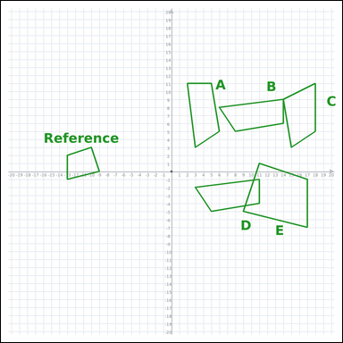 |  | task_geometry_similarity_count | similar_count | The graph-paper image shows a Reference polygon and five labeled candidate polygons A through E. Answer the question using the graph-paper diagram. How many labeled polygons are similar to the Reference? Return a valid JSON object with keys "evidence" and "answer" in that order. Evidence field: set "evidence" to an array of every labeled polygon that matches the Reference among A through E. Answer field: set "answer" to the integer count of the matching labeled polygons. Example JSON: {"evidence":["A"],"answer":8} | The graph-paper image shows a Reference polygon and five labeled candidate polygons A through E. Answer the question using the graph-paper diagram. How many labeled polygons are similar to the Reference? Return a valid JSON object with key "answer". Answer: set "answer" to the integer count of the matching labeled polygons. Example JSON: {"answer":8} | {"evidence": ["E"], "answer": 1} | ["E"] | integer | label_set | 7.6837639647E+15 | geometry/task_geometry_similarity_count/images/similar_count/0012.png | geometry/task_geometry_similarity_count/data/similar_count/0012.json
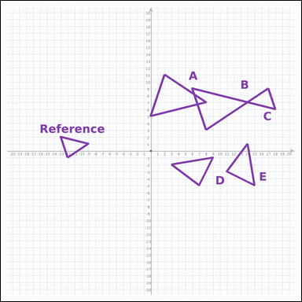 |  | task_geometry_similarity_count | similar_count | Use the graph-paper image showing a Reference polygon and five labeled candidate polygons A through E. Use the full graph-paper scene to answer the question. Count the labeled polygons that match the Reference in shape, even if the size changes. Return a valid JSON object with keys "evidence" and "answer" in that order. Evidence: set "evidence" to an array of every labeled polygon that matches the Reference among A through E. Answer: set "answer" to the integer count of the matching labeled polygons. Example JSON: {"evidence":["B","C","D"],"answer":8} | Use the graph-paper image showing a Reference polygon and five labeled candidate polygons A through E. Use the full graph-paper scene to answer the question. Count the labeled polygons that match the Reference in shape, even if the size changes. Return a valid JSON object with key "answer". Answer format: set "answer" to the integer count of the matching labeled polygons. Example JSON: {"answer":8} | {"evidence": ["A", "B", "C"], "answer": 3} | ["A", "B", "C"] | integer | label_set | 7.7643295029E+15 | geometry/task_geometry_similarity_count/images/similar_count/0016.png | geometry/task_geometry_similarity_count/data/similar_count/0016.json
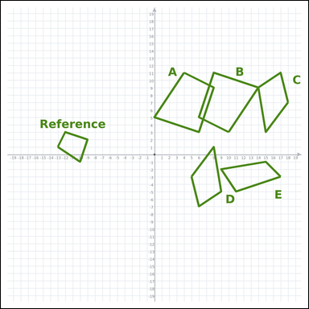 |  | task_geometry_similarity_count | similar_count | Look at the graph-paper diagram. It shows a Reference polygon and five labeled candidate polygons A through E. Determine the answer from the graph-paper similarity diagram. Count the labeled polygons that match the Reference in shape, even if the size changes. Return a valid JSON object with keys "evidence" and "answer" in that order. Evidence requirement: set "evidence" to an array of every labeled polygon that matches the Reference among A through E. Answer format: set "answer" to the integer count of the matching labeled polygons. Example JSON: {"evidence":["B","C"],"answer":8} | Look at the graph-paper diagram. It shows a Reference polygon and five labeled candidate polygons A through E. Determine the answer from the graph-paper similarity diagram. Count the labeled polygons that match the Reference in shape, even if the size changes. Return a valid JSON object with key "answer". Answer rule: set "answer" to the integer count of the matching labeled polygons. Example JSON: {"answer":8} | {"evidence": ["A", "B"], "answer": 2} | ["A", "B"] | integer | label_set | 7.8625833542E+15 | geometry/task_geometry_similarity_count/images/similar_count/0021.png | geometry/task_geometry_similarity_count/data/similar_count/0021.json
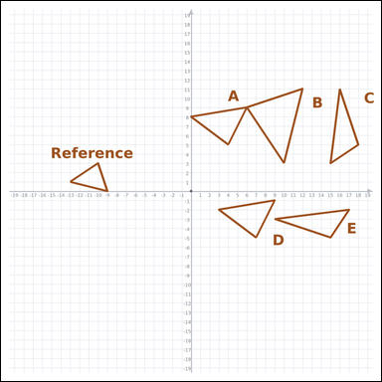 |  | task_geometry_similarity_count | similar_count | Work from the graph-paper diagram showing a Reference polygon and five labeled candidate polygons A through E. Read the Reference polygon and all labeled candidates carefully, then answer the question. How many of the labeled polygons have the same shape as the Reference, possibly at a different size? Return a valid JSON object with keys "evidence" and "answer" in that order. Evidence format: set "evidence" to an array of every labeled polygon that matches the Reference among A through E. Answer requirement: set "answer" to the integer count of the matching labeled polygons. Example JSON: {"evidence":["A"],"answer":8} | Work from the graph-paper diagram showing a Reference polygon and five labeled candidate polygons A through E. Read the Reference polygon and all labeled candidates carefully, then answer the question. How many of the labeled polygons have the same shape as the Reference, possibly at a different size? Return a valid JSON object with key "answer". Answer rule: set "answer" to the integer count of the matching labeled polygons. Example JSON: {"answer":8} | {"evidence": ["B"], "answer": 1} | ["B"] | integer | label_set | 8.2047418289E+15 | geometry/task_geometry_similarity_count/images/similar_count/0020.png | geometry/task_geometry_similarity_count/data/similar_count/0020.json
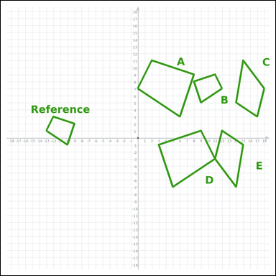 |  | task_geometry_similarity_count | similar_count | Work from the graph-paper diagram showing a Reference polygon and five labeled candidate polygons A through E. Answer the question using the graph-paper diagram. Count the labeled polygons that match the Reference in shape, even if the size changes. Return a valid JSON object with keys "evidence" and "answer" in that order. Evidence field: set "evidence" to an array of every labeled polygon that matches the Reference among A through E. Answer field: set "answer" to the integer count of the matching labeled polygons. Example JSON: {"evidence":["B","C","D"],"answer":8} | Work from the graph-paper diagram showing a Reference polygon and five labeled candidate polygons A through E. Answer the question using the graph-paper diagram. Count the labeled polygons that match the Reference in shape, even if the size changes. Return a valid JSON object with key "answer". Answer field: set "answer" to the integer count of the matching labeled polygons. Example JSON: {"answer":8} | {"evidence": ["A", "B", "D"], "answer": 3} | ["A", "B", "D"] | integer | label_set | 8.6805378695E+15 | geometry/task_geometry_similarity_count/images/similar_count/0001.png | geometry/task_geometry_similarity_count/data/similar_count/0001.json

