topological_position
image | evidence_image | task | task_variant | prompt | prompt_answer_only | answer | answer_evidence | answer_type | evidence_type | instance_seed | image_path | data_path
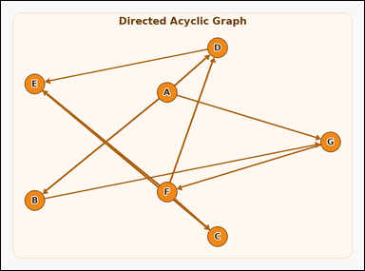 | 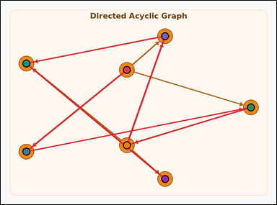 | task_graph_order_topological_position | topological_position | You are given an image with a labeled directed acyclic graph with a unique topological order. Answer this question: What is the position of node C in the unique topological order, counting from 1? Return a valid JSON object with keys "evidence" and "answer" in that order. Evidence rule: set "evidence" to an ordered array containing all node labels in the unique topological order from first to last. Answer rule: set "answer" to the 1-based position of node C in that order as an integer. Example JSON: {"evidence":["B","D","H","J"],"answer":3} | You are given an image with a labeled directed acyclic graph with a unique topological order. Answer this question: What is the position of node C in the unique topological order, counting from 1? Return a valid JSON object with key "answer". Answer format: set "answer" to the 1-based position of node C in that order as an integer. Example JSON: {"answer":3} | {"evidence": ["A", "B", "G", "F", "D", "E", "C"], "answer": 7} | ["A", "B", "G", "F", "D", "E", "C"] | integer | label_sequence | 52140443507692 | graph/task_graph_order_topological_position/images/default/0015.png | graph/task_graph_order_topological_position/data/default/0015.json
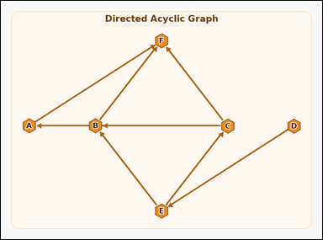 | 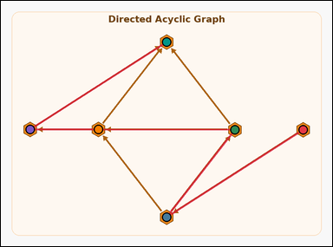 | task_graph_order_topological_position | topological_position | The image shows a labeled directed acyclic graph with a unique topological order. Question: What is the position of node B in the unique topological order, counting from 1? Return a valid JSON object with keys "evidence" and "answer" in that order. Evidence rule: set "evidence" to an ordered array containing all node labels in the unique topological order from first to last. Answer rule: set "answer" to the 1-based position of node B in that order as an integer. Example JSON: {"evidence":["B","D","H","J"],"answer":3} | The image shows a labeled directed acyclic graph with a unique topological order. Question: What is the position of node B in the unique topological order, counting from 1? Return a valid JSON object with key "answer". Answer field: set "answer" to the 1-based position of node B in that order as an integer. Example JSON: {"answer":3} | {"evidence": ["D", "E", "C", "B", "A", "F"], "answer": 4} | ["D", "E", "C", "B", "A", "F"] | integer | label_sequence | 292724981413122 | graph/task_graph_order_topological_position/images/default/0000.png | graph/task_graph_order_topological_position/data/default/0000.json
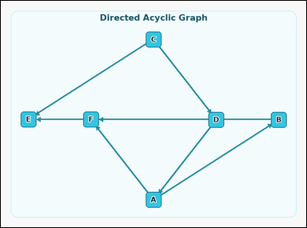 | 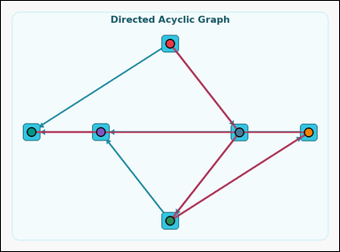 | task_graph_order_topological_position | topological_position | Work from the image with a labeled directed acyclic graph with a unique topological order. Question: What is the position of node F in the unique topological order, counting from 1? Return a valid JSON object with keys "evidence" and "answer" in that order. Evidence requirement: set "evidence" to an ordered array containing all node labels in the unique topological order from first to last. Answer format: set "answer" to the 1-based position of node F in that order as an integer. Example JSON: {"evidence":["B","D","H","J"],"answer":3} | Work from the image with a labeled directed acyclic graph with a unique topological order. Question: What is the position of node F in the unique topological order, counting from 1? Return a valid JSON object with key "answer". Answer field: set "answer" to the 1-based position of node F in that order as an integer. Example JSON: {"answer":3} | {"evidence": ["C", "D", "A", "B", "F", "E"], "answer": 5} | ["C", "D", "A", "B", "F", "E"] | integer | label_sequence | 298100246775715 | graph/task_graph_order_topological_position/images/default/0017.png | graph/task_graph_order_topological_position/data/default/0017.json
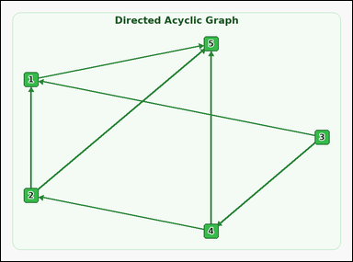 | 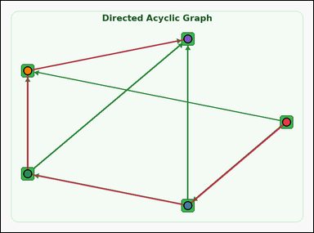 | task_graph_order_topological_position | topological_position | Work from the image with a labeled directed acyclic graph with a unique topological order. Task: What is the position of node 1 in the unique topological order, counting from 1? Return a valid JSON object with keys "evidence" and "answer" in that order. Evidence requirement: set "evidence" to an ordered array containing all node labels in the unique topological order from first to last. Answer format: set "answer" to the 1-based position of node 1 in that order as an integer. Example JSON: {"evidence":["2","5","8","9"],"answer":3} | Work from the image with a labeled directed acyclic graph with a unique topological order. Task: What is the position of node 1 in the unique topological order, counting from 1? Return a valid JSON object with key "answer". Answer: set "answer" to the 1-based position of node 1 in that order as an integer. Example JSON: {"answer":3} | {"evidence": ["3", "4", "2", "1", "5"], "answer": 4} | ["3", "4", "2", "1", "5"] | integer | label_sequence | 425898555675682 | graph/task_graph_order_topological_position/images/default/0016.png | graph/task_graph_order_topological_position/data/default/0016.json
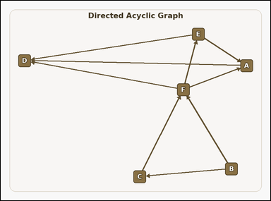 | 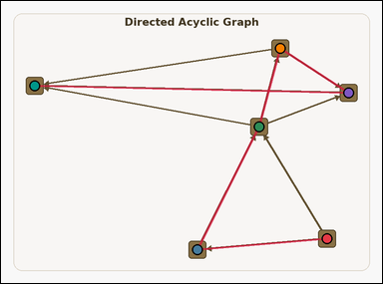 | task_graph_order_topological_position | topological_position | You are given an image with a labeled directed acyclic graph with a unique topological order. Question: What is the position of node D in the unique topological order, counting from 1? Return a valid JSON object with keys "evidence" and "answer" in that order. Evidence requirement: set "evidence" to an ordered array containing all node labels in the unique topological order from first to last. Answer format: set "answer" to the 1-based position of node D in that order as an integer. Example JSON: {"evidence":["B","D","H","J"],"answer":3} | You are given an image with a labeled directed acyclic graph with a unique topological order. Question: What is the position of node D in the unique topological order, counting from 1? Return a valid JSON object with key "answer". Answer requirement: set "answer" to the 1-based position of node D in that order as an integer. Example JSON: {"answer":3} | {"evidence": ["B", "C", "F", "E", "A", "D"], "answer": 6} | ["B", "C", "F", "E", "A", "D"] | integer | label_sequence | 955890573328588 | graph/task_graph_order_topological_position/images/default/0011.png | graph/task_graph_order_topological_position/data/default/0011.json
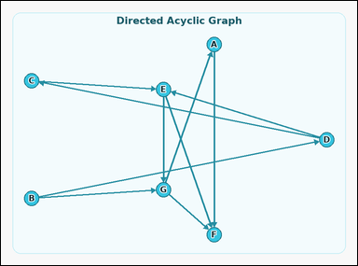 | 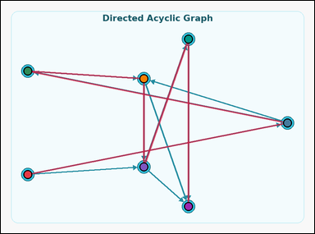 | task_graph_order_topological_position | topological_position | Work from the image with a labeled directed acyclic graph with a unique topological order. Answer this question: What is the position of node G in the unique topological order, counting from 1? Return a valid JSON object with keys "evidence" and "answer" in that order. Evidence requirement: set "evidence" to an ordered array containing all node labels in the unique topological order from first to last. Answer format: set "answer" to the 1-based position of node G in that order as an integer. Example JSON: {"evidence":["B","D","H","J"],"answer":3} | Work from the image with a labeled directed acyclic graph with a unique topological order. Answer this question: What is the position of node G in the unique topological order, counting from 1? Return a valid JSON object with key "answer". Answer requirement: set "answer" to the 1-based position of node G in that order as an integer. Example JSON: {"answer":3} | {"evidence": ["B", "D", "C", "E", "G", "A", "F"], "answer": 5} | ["B", "D", "C", "E", "G", "A", "F"] | integer | label_sequence | 1.4560240755E+15 | graph/task_graph_order_topological_position/images/default/0014.png | graph/task_graph_order_topological_position/data/default/0014.json
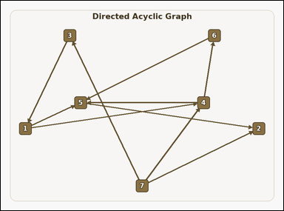 | 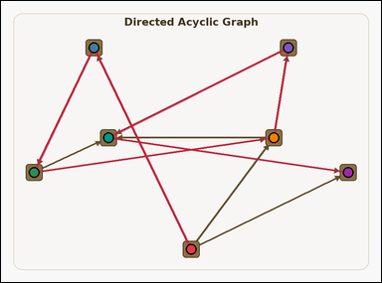 | task_graph_order_topological_position | topological_position | Look at the image with a labeled directed acyclic graph with a unique topological order. What is the position of node 5 in the unique topological order, counting from 1? Return a valid JSON object with keys "evidence" and "answer" in that order. Evidence requirement: set "evidence" to an ordered array containing all node labels in the unique topological order from first to last. Answer format: set "answer" to the 1-based position of node 5 in that order as an integer. Example JSON: {"evidence":["2","5","8","9"],"answer":3} | Look at the image with a labeled directed acyclic graph with a unique topological order. What is the position of node 5 in the unique topological order, counting from 1? Return a valid JSON object with key "answer". Answer: set "answer" to the 1-based position of node 5 in that order as an integer. Example JSON: {"answer":3} | {"evidence": ["7", "3", "1", "4", "6", "5", "2"], "answer": 6} | ["7", "3", "1", "4", "6", "5", "2"] | integer | label_sequence | 1.8652403001E+15 | graph/task_graph_order_topological_position/images/default/0001.png | graph/task_graph_order_topological_position/data/default/0001.json
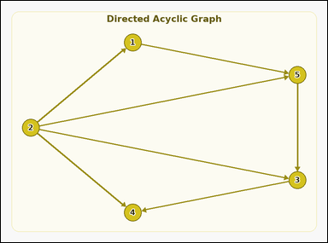 | 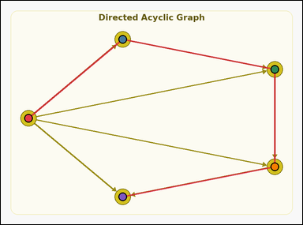 | task_graph_order_topological_position | topological_position | The image shows a labeled directed acyclic graph with a unique topological order. Determine the answer: What is the position of node 3 in the unique topological order, counting from 1? Return a valid JSON object with keys "evidence" and "answer" in that order. Evidence field: set "evidence" to an ordered array containing all node labels in the unique topological order from first to last. Answer field: set "answer" to the 1-based position of node 3 in that order as an integer. Example JSON: {"evidence":["2","5","8","9"],"answer":3} | The image shows a labeled directed acyclic graph with a unique topological order. Determine the answer: What is the position of node 3 in the unique topological order, counting from 1? Return a valid JSON object with key "answer". Answer field: set "answer" to the 1-based position of node 3 in that order as an integer. Example JSON: {"answer":3} | {"evidence": ["2", "1", "5", "3", "4"], "answer": 4} | ["2", "1", "5", "3", "4"] | integer | label_sequence | 1.9826673777E+15 | graph/task_graph_order_topological_position/images/default/0003.png | graph/task_graph_order_topological_position/data/default/0003.json
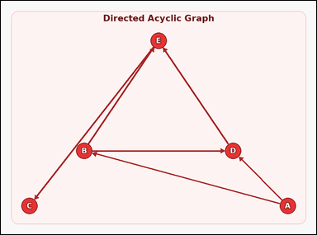 | 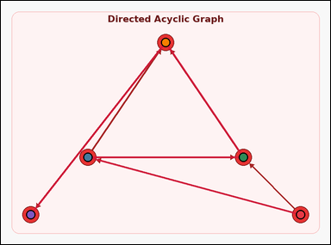 | task_graph_order_topological_position | topological_position | Use the image containing a labeled directed acyclic graph with a unique topological order. Determine the answer: What is the position of node A in the unique topological order, counting from 1? Return a valid JSON object with keys "evidence" and "answer" in that order. Evidence field: set "evidence" to an ordered array containing all node labels in the unique topological order from first to last. Answer field: set "answer" to the 1-based position of node A in that order as an integer. Example JSON: {"evidence":["B","D","H","J"],"answer":3} | Use the image containing a labeled directed acyclic graph with a unique topological order. Determine the answer: What is the position of node A in the unique topological order, counting from 1? Return a valid JSON object with key "answer". Answer requirement: set "answer" to the 1-based position of node A in that order as an integer. Example JSON: {"answer":3} | {"evidence": ["A", "B", "D", "E", "C"], "answer": 1} | ["A", "B", "D", "E", "C"] | integer | label_sequence | 2.2261351139E+15 | graph/task_graph_order_topological_position/images/default/0023.png | graph/task_graph_order_topological_position/data/default/0023.json
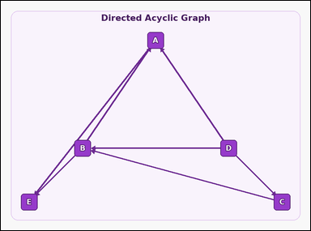 | 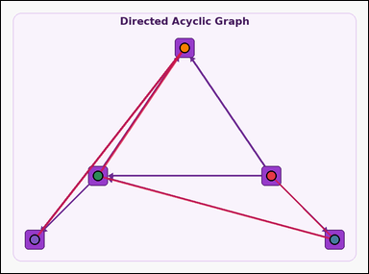 | task_graph_order_topological_position | topological_position | Work from the image with a labeled directed acyclic graph with a unique topological order. Question: What is the position of node C in the unique topological order, counting from 1? Return a valid JSON object with keys "evidence" and "answer" in that order. Evidence field: set "evidence" to an ordered array containing all node labels in the unique topological order from first to last. Answer field: set "answer" to the 1-based position of node C in that order as an integer. Example JSON: {"evidence":["B","D","H","J"],"answer":3} | Work from the image with a labeled directed acyclic graph with a unique topological order. Question: What is the position of node C in the unique topological order, counting from 1? Return a valid JSON object with key "answer". Answer rule: set "answer" to the 1-based position of node C in that order as an integer. Example JSON: {"answer":3} | {"evidence": ["D", "C", "B", "A", "E"], "answer": 2} | ["D", "C", "B", "A", "E"] | integer | label_sequence | 2.838527331E+15 | graph/task_graph_order_topological_position/images/default/0006.png | graph/task_graph_order_topological_position/data/default/0006.json
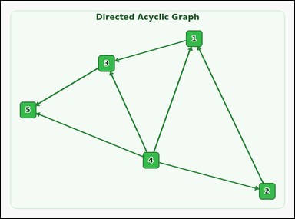 | 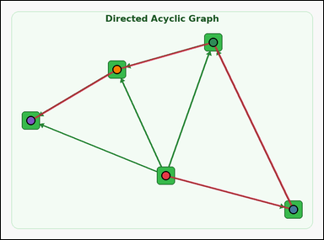 | task_graph_order_topological_position | topological_position | The image shows a labeled directed acyclic graph with a unique topological order. Answer this question: What is the position of node 1 in the unique topological order, counting from 1? Return a valid JSON object with keys "evidence" and "answer" in that order. Evidence rule: set "evidence" to an ordered array containing all node labels in the unique topological order from first to last. Answer rule: set "answer" to the 1-based position of node 1 in that order as an integer. Example JSON: {"evidence":["2","5","8","9"],"answer":3} | The image shows a labeled directed acyclic graph with a unique topological order. Answer this question: What is the position of node 1 in the unique topological order, counting from 1? Return a valid JSON object with key "answer". Answer: set "answer" to the 1-based position of node 1 in that order as an integer. Example JSON: {"answer":3} | {"evidence": ["4", "2", "1", "3", "5"], "answer": 3} | ["4", "2", "1", "3", "5"] | integer | label_sequence | 3.3452387527E+15 | graph/task_graph_order_topological_position/images/default/0005.png | graph/task_graph_order_topological_position/data/default/0005.json
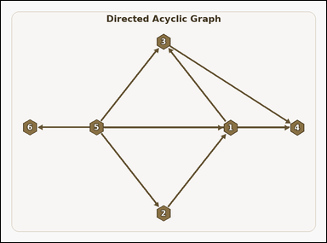 | 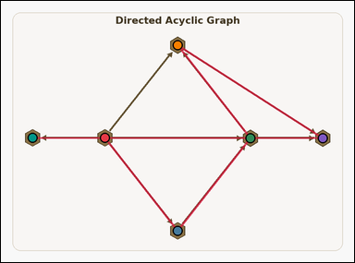 | task_graph_order_topological_position | topological_position | Use the image containing a labeled directed acyclic graph with a unique topological order. Question: What is the position of node 6 in the unique topological order, counting from 1? Return a valid JSON object with keys "evidence" and "answer" in that order. Evidence requirement: set "evidence" to an ordered array containing all node labels in the unique topological order from first to last. Answer format: set "answer" to the 1-based position of node 6 in that order as an integer. Example JSON: {"evidence":["2","5","8","9"],"answer":3} | Use the image containing a labeled directed acyclic graph with a unique topological order. Question: What is the position of node 6 in the unique topological order, counting from 1? Return a valid JSON object with key "answer". Answer: set "answer" to the 1-based position of node 6 in that order as an integer. Example JSON: {"answer":3} | {"evidence": ["5", "2", "1", "3", "4", "6"], "answer": 6} | ["5", "2", "1", "3", "4", "6"] | integer | label_sequence | 3.469672806E+15 | graph/task_graph_order_topological_position/images/default/0012.png | graph/task_graph_order_topological_position/data/default/0012.json
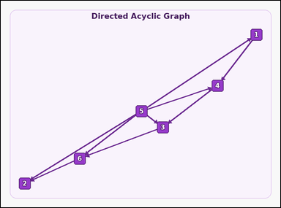 | 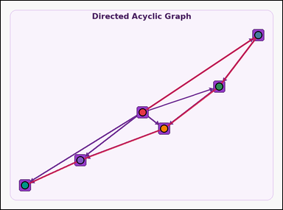 | task_graph_order_topological_position | topological_position | Look at the image with a labeled directed acyclic graph with a unique topological order. What is the position of node 2 in the unique topological order, counting from 1? Return a valid JSON object with keys "evidence" and "answer" in that order. Evidence field: set "evidence" to an ordered array containing all node labels in the unique topological order from first to last. Answer field: set "answer" to the 1-based position of node 2 in that order as an integer. Example JSON: {"evidence":["2","5","8","9"],"answer":3} | Look at the image with a labeled directed acyclic graph with a unique topological order. What is the position of node 2 in the unique topological order, counting from 1? Return a valid JSON object with key "answer". Answer rule: set "answer" to the 1-based position of node 2 in that order as an integer. Example JSON: {"answer":3} | {"evidence": ["5", "1", "4", "3", "6", "2"], "answer": 6} | ["5", "1", "4", "3", "6", "2"] | integer | label_sequence | 3.6705755153E+15 | graph/task_graph_order_topological_position/images/default/0008.png | graph/task_graph_order_topological_position/data/default/0008.json
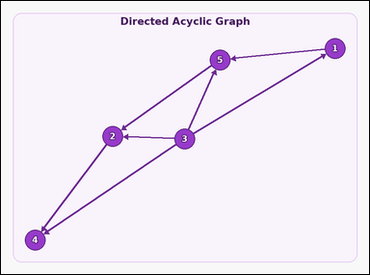 | 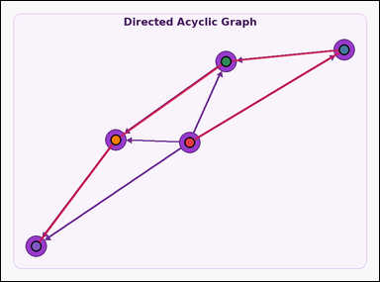 | task_graph_order_topological_position | topological_position | Look at the image with a labeled directed acyclic graph with a unique topological order. Determine the answer: What is the position of node 3 in the unique topological order, counting from 1? Return a valid JSON object with keys "evidence" and "answer" in that order. Evidence format: set "evidence" to an ordered array containing all node labels in the unique topological order from first to last. Answer requirement: set "answer" to the 1-based position of node 3 in that order as an integer. Example JSON: {"evidence":["2","5","8","9"],"answer":3} | Look at the image with a labeled directed acyclic graph with a unique topological order. Determine the answer: What is the position of node 3 in the unique topological order, counting from 1? Return a valid JSON object with key "answer". Answer: set "answer" to the 1-based position of node 3 in that order as an integer. Example JSON: {"answer":3} | {"evidence": ["3", "1", "5", "2", "4"], "answer": 1} | ["3", "1", "5", "2", "4"] | integer | label_sequence | 3.8281134524E+15 | graph/task_graph_order_topological_position/images/default/0010.png | graph/task_graph_order_topological_position/data/default/0010.json
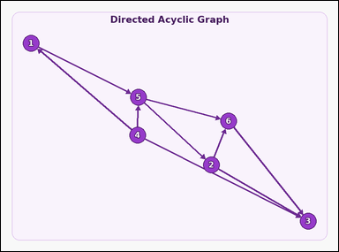 | 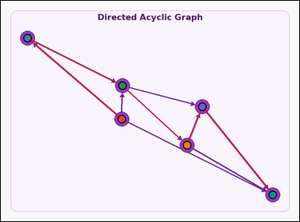 | task_graph_order_topological_position | topological_position | The image shows a labeled directed acyclic graph with a unique topological order. What is the position of node 2 in the unique topological order, counting from 1? Return a valid JSON object with keys "evidence" and "answer" in that order. Evidence field: set "evidence" to an ordered array containing all node labels in the unique topological order from first to last. Answer field: set "answer" to the 1-based position of node 2 in that order as an integer. Example JSON: {"evidence":["2","5","8","9"],"answer":3} | The image shows a labeled directed acyclic graph with a unique topological order. What is the position of node 2 in the unique topological order, counting from 1? Return a valid JSON object with key "answer". Answer requirement: set "answer" to the 1-based position of node 2 in that order as an integer. Example JSON: {"answer":3} | {"evidence": ["4", "1", "5", "2", "6", "3"], "answer": 4} | ["4", "1", "5", "2", "6", "3"] | integer | label_sequence | 4.4351717147E+15 | graph/task_graph_order_topological_position/images/default/0013.png | graph/task_graph_order_topological_position/data/default/0013.json
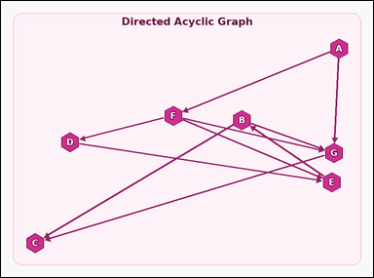 | 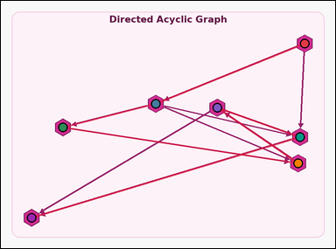 | task_graph_order_topological_position | topological_position | You are given an image with a labeled directed acyclic graph with a unique topological order. Question: What is the position of node G in the unique topological order, counting from 1? Return a valid JSON object with keys "evidence" and "answer" in that order. Evidence field: set "evidence" to an ordered array containing all node labels in the unique topological order from first to last. Answer field: set "answer" to the 1-based position of node G in that order as an integer. Example JSON: {"evidence":["B","D","H","J"],"answer":3} | You are given an image with a labeled directed acyclic graph with a unique topological order. Question: What is the position of node G in the unique topological order, counting from 1? Return a valid JSON object with key "answer". Answer: set "answer" to the 1-based position of node G in that order as an integer. Example JSON: {"answer":3} | {"evidence": ["A", "F", "D", "E", "B", "G", "C"], "answer": 6} | ["A", "F", "D", "E", "B", "G", "C"] | integer | label_sequence | 4.5790692839E+15 | graph/task_graph_order_topological_position/images/default/0002.png | graph/task_graph_order_topological_position/data/default/0002.json
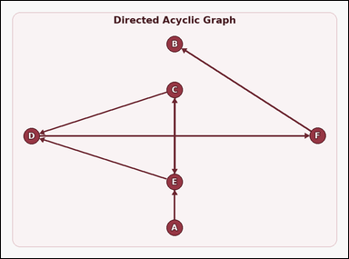 | 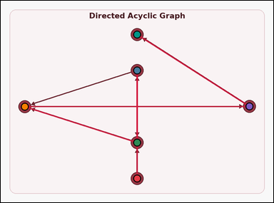 | task_graph_order_topological_position | topological_position | The image shows a labeled directed acyclic graph with a unique topological order. Task: What is the position of node C in the unique topological order, counting from 1? Return a valid JSON object with keys "evidence" and "answer" in that order. Evidence rule: set "evidence" to an ordered array containing all node labels in the unique topological order from first to last. Answer rule: set "answer" to the 1-based position of node C in that order as an integer. Example JSON: {"evidence":["B","D","H","J"],"answer":3} | The image shows a labeled directed acyclic graph with a unique topological order. Task: What is the position of node C in the unique topological order, counting from 1? Return a valid JSON object with key "answer". Answer: set "answer" to the 1-based position of node C in that order as an integer. Example JSON: {"answer":3} | {"evidence": ["A", "C", "E", "D", "F", "B"], "answer": 2} | ["A", "C", "E", "D", "F", "B"] | integer | label_sequence | 4.655788505E+15 | graph/task_graph_order_topological_position/images/default/0007.png | graph/task_graph_order_topological_position/data/default/0007.json
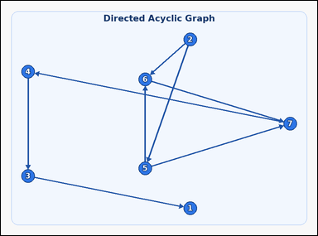 | 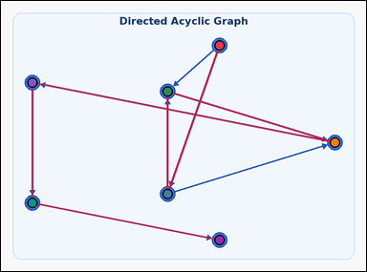 | task_graph_order_topological_position | topological_position | You are given an image with a labeled directed acyclic graph with a unique topological order. Answer this question: What is the position of node 6 in the unique topological order, counting from 1? Return a valid JSON object with keys "evidence" and "answer" in that order. Evidence requirement: set "evidence" to an ordered array containing all node labels in the unique topological order from first to last. Answer format: set "answer" to the 1-based position of node 6 in that order as an integer. Example JSON: {"evidence":["2","5","8","9"],"answer":3} | You are given an image with a labeled directed acyclic graph with a unique topological order. Answer this question: What is the position of node 6 in the unique topological order, counting from 1? Return a valid JSON object with key "answer". Answer format: set "answer" to the 1-based position of node 6 in that order as an integer. Example JSON: {"answer":3} | {"evidence": ["2", "5", "6", "7", "4", "3", "1"], "answer": 3} | ["2", "5", "6", "7", "4", "3", "1"] | integer | label_sequence | 4.6961540618E+15 | graph/task_graph_order_topological_position/images/default/0019.png | graph/task_graph_order_topological_position/data/default/0019.json
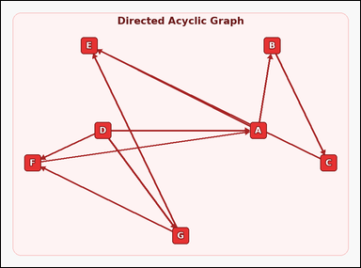 | 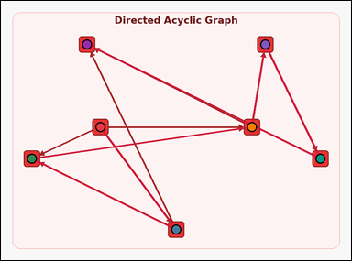 | task_graph_order_topological_position | topological_position | Work from the image with a labeled directed acyclic graph with a unique topological order. Determine the answer: What is the position of node E in the unique topological order, counting from 1? Return a valid JSON object with keys "evidence" and "answer" in that order. Evidence: set "evidence" to an ordered array containing all node labels in the unique topological order from first to last. Answer: set "answer" to the 1-based position of node E in that order as an integer. Example JSON: {"evidence":["B","D","H","J"],"answer":3} | Work from the image with a labeled directed acyclic graph with a unique topological order. Determine the answer: What is the position of node E in the unique topological order, counting from 1? Return a valid JSON object with key "answer". Answer field: set "answer" to the 1-based position of node E in that order as an integer. Example JSON: {"answer":3} | {"evidence": ["D", "G", "F", "A", "B", "C", "E"], "answer": 7} | ["D", "G", "F", "A", "B", "C", "E"] | integer | label_sequence | 4.8544573995E+15 | graph/task_graph_order_topological_position/images/default/0024.png | graph/task_graph_order_topological_position/data/default/0024.json
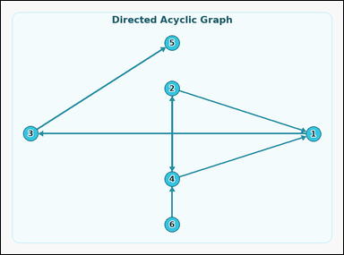 | 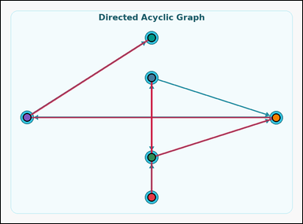 | task_graph_order_topological_position | topological_position | Use the image containing a labeled directed acyclic graph with a unique topological order. Answer this question: What is the position of node 1 in the unique topological order, counting from 1? Return a valid JSON object with keys "evidence" and "answer" in that order. Evidence: set "evidence" to an ordered array containing all node labels in the unique topological order from first to last. Answer: set "answer" to the 1-based position of node 1 in that order as an integer. Example JSON: {"evidence":["2","5","8","9"],"answer":3} | Use the image containing a labeled directed acyclic graph with a unique topological order. Answer this question: What is the position of node 1 in the unique topological order, counting from 1? Return a valid JSON object with key "answer". Answer field: set "answer" to the 1-based position of node 1 in that order as an integer. Example JSON: {"answer":3} | {"evidence": ["6", "2", "4", "1", "3", "5"], "answer": 4} | ["6", "2", "4", "1", "3", "5"] | integer | label_sequence | 5.2810109825E+15 | graph/task_graph_order_topological_position/images/default/0009.png | graph/task_graph_order_topological_position/data/default/0009.json
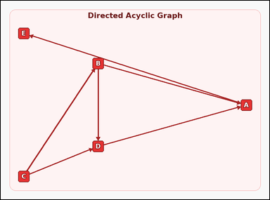 | 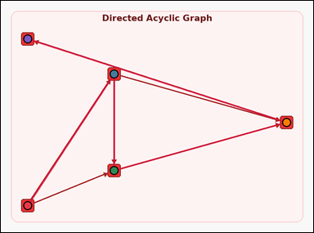 | task_graph_order_topological_position | topological_position | Work from the image with a labeled directed acyclic graph with a unique topological order. Answer this question: What is the position of node A in the unique topological order, counting from 1? Return a valid JSON object with keys "evidence" and "answer" in that order. Evidence: set "evidence" to an ordered array containing all node labels in the unique topological order from first to last. Answer: set "answer" to the 1-based position of node A in that order as an integer. Example JSON: {"evidence":["B","D","H","J"],"answer":3} | Work from the image with a labeled directed acyclic graph with a unique topological order. Answer this question: What is the position of node A in the unique topological order, counting from 1? Return a valid JSON object with key "answer". Answer rule: set "answer" to the 1-based position of node A in that order as an integer. Example JSON: {"answer":3} | {"evidence": ["C", "B", "D", "A", "E"], "answer": 4} | ["C", "B", "D", "A", "E"] | integer | label_sequence | 6.4409221788E+15 | graph/task_graph_order_topological_position/images/default/0021.png | graph/task_graph_order_topological_position/data/default/0021.json
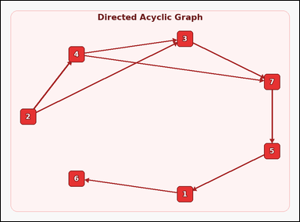 | 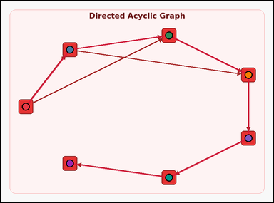 | task_graph_order_topological_position | topological_position | Look at the image with a labeled directed acyclic graph with a unique topological order. Determine the answer: What is the position of node 1 in the unique topological order, counting from 1? Return a valid JSON object with keys "evidence" and "answer" in that order. Evidence rule: set "evidence" to an ordered array containing all node labels in the unique topological order from first to last. Answer rule: set "answer" to the 1-based position of node 1 in that order as an integer. Example JSON: {"evidence":["2","5","8","9"],"answer":3} | Look at the image with a labeled directed acyclic graph with a unique topological order. Determine the answer: What is the position of node 1 in the unique topological order, counting from 1? Return a valid JSON object with key "answer". Answer rule: set "answer" to the 1-based position of node 1 in that order as an integer. Example JSON: {"answer":3} | {"evidence": ["2", "4", "3", "7", "5", "1", "6"], "answer": 6} | ["2", "4", "3", "7", "5", "1", "6"] | integer | label_sequence | 6.8566514766E+15 | graph/task_graph_order_topological_position/images/default/0004.png | graph/task_graph_order_topological_position/data/default/0004.json
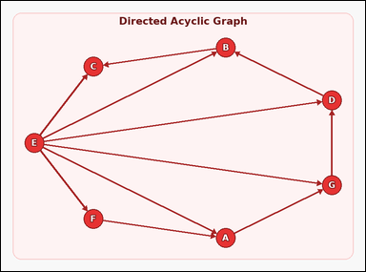 | 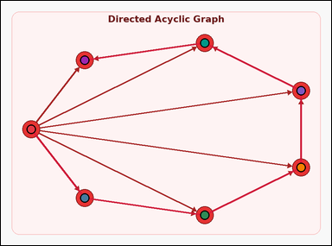 | task_graph_order_topological_position | topological_position | Use the image containing a labeled directed acyclic graph with a unique topological order. Answer this question: What is the position of node G in the unique topological order, counting from 1? Return a valid JSON object with keys "evidence" and "answer" in that order. Evidence format: set "evidence" to an ordered array containing all node labels in the unique topological order from first to last. Answer requirement: set "answer" to the 1-based position of node G in that order as an integer. Example JSON: {"evidence":["B","D","H","J"],"answer":3} | Use the image containing a labeled directed acyclic graph with a unique topological order. Answer this question: What is the position of node G in the unique topological order, counting from 1? Return a valid JSON object with key "answer". Answer: set "answer" to the 1-based position of node G in that order as an integer. Example JSON: {"answer":3} | {"evidence": ["E", "F", "A", "G", "D", "B", "C"], "answer": 4} | ["E", "F", "A", "G", "D", "B", "C"] | integer | label_sequence | 6.9552899931E+15 | graph/task_graph_order_topological_position/images/default/0018.png | graph/task_graph_order_topological_position/data/default/0018.json
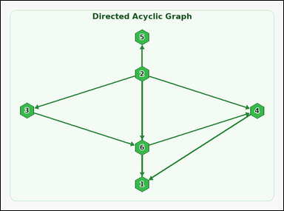 | 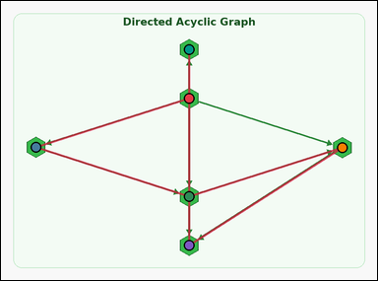 | task_graph_order_topological_position | topological_position | Look at the image with a labeled directed acyclic graph with a unique topological order. Question: What is the position of node 4 in the unique topological order, counting from 1? Return a valid JSON object with keys "evidence" and "answer" in that order. Evidence requirement: set "evidence" to an ordered array containing all node labels in the unique topological order from first to last. Answer format: set "answer" to the 1-based position of node 4 in that order as an integer. Example JSON: {"evidence":["2","5","8","9"],"answer":3} | Look at the image with a labeled directed acyclic graph with a unique topological order. Question: What is the position of node 4 in the unique topological order, counting from 1? Return a valid JSON object with key "answer". Answer format: set "answer" to the 1-based position of node 4 in that order as an integer. Example JSON: {"answer":3} | {"evidence": ["2", "3", "6", "4", "1", "5"], "answer": 4} | ["2", "3", "6", "4", "1", "5"] | integer | label_sequence | 7.3387984805E+15 | graph/task_graph_order_topological_position/images/default/0020.png | graph/task_graph_order_topological_position/data/default/0020.json
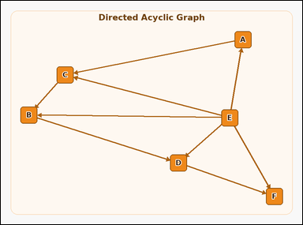 |  | task_graph_order_topological_position | topological_position | You are given an image with a labeled directed acyclic graph with a unique topological order. What is the position of node C in the unique topological order, counting from 1? Return a valid JSON object with keys "evidence" and "answer" in that order. Evidence rule: set "evidence" to an ordered array containing all node labels in the unique topological order from first to last. Answer rule: set "answer" to the 1-based position of node C in that order as an integer. Example JSON: {"evidence":["B","D","H","J"],"answer":3} | You are given an image with a labeled directed acyclic graph with a unique topological order. What is the position of node C in the unique topological order, counting from 1? Return a valid JSON object with key "answer". Answer format: set "answer" to the 1-based position of node C in that order as an integer. Example JSON: {"answer":3} | {"evidence": ["E", "A", "C", "B", "D", "F"], "answer": 3} | ["E", "A", "C", "B", "D", "F"] | integer | label_sequence | 7.4156254661E+15 | graph/task_graph_order_topological_position/images/default/0022.png | graph/task_graph_order_topological_position/data/default/0022.json

