collinear_count
image | evidence_image | task | task_variant | prompt | prompt_answer_only | answer | answer_evidence | answer_type | evidence_type | instance_seed | image_path | data_path
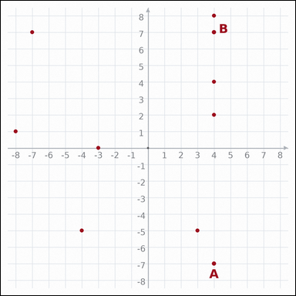 | 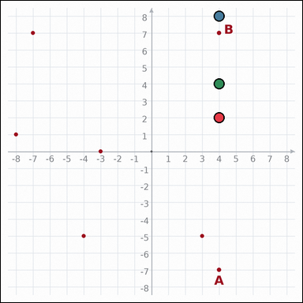 | task_geometry_coordinate_relation | collinear_count | The graph-paper image shows a coordinate-plane diagram with labeled points A and B plus unlabeled dot points. Answer the question using the full coordinate-plane diagram. Count the dot points, excluding A and B themselves, that lie on the same line as A and B. Return a valid JSON object with keys "evidence" and "answer" in that order. Evidence requirement: set "evidence" to an array of every graph-paper point coordinate [x, y] for the dot points that lie on the same line as A and B. Answer format: set "answer" to the integer count requested by the question. Example JSON: {"evidence":[[0,0],[4,0],[0,3]],"answer":8} | The graph-paper image shows a coordinate-plane diagram with labeled points A and B plus unlabeled dot points. Answer the question using the full coordinate-plane diagram. Count the dot points, excluding A and B themselves, that lie on the same line as A and B. Return a valid JSON object with key "answer". Answer format: set "answer" to the integer count requested by the question. Example JSON: {"answer":8} | {"evidence": [[4, 2], [4, 8], [4, 4]], "answer": 3} | [[4, 2], [4, 8], [4, 4]] | integer | graph_point_set | 75682447316535 | geometry/task_geometry_coordinate_relation/images/collinear_count/0009.png | geometry/task_geometry_coordinate_relation/data/collinear_count/0009.json
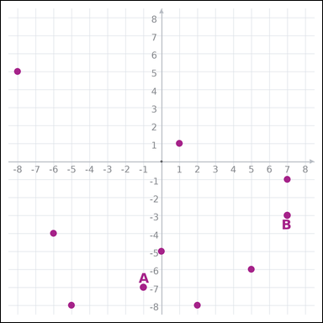 |  | task_geometry_coordinate_relation | collinear_count | Use the graph-paper coordinate image showing a coordinate-plane diagram with labeled points A and B plus unlabeled dot points. Work from the full coordinate graph to answer the question. Using A and B as the reference line, how many dot points lie on that same line? Return a valid JSON object with keys "evidence" and "answer" in that order. Evidence: set "evidence" to an array of every graph-paper point coordinate [x, y] for the dot points that lie on the same line as A and B. Answer: set "answer" to the integer count requested by the question. Example JSON: {"evidence":[],"answer":8} | Use the graph-paper coordinate image showing a coordinate-plane diagram with labeled points A and B plus unlabeled dot points. Work from the full coordinate graph to answer the question. Using A and B as the reference line, how many dot points lie on that same line? Return a valid JSON object with key "answer". Answer requirement: set "answer" to the integer count requested by the question. Example JSON: {"answer":8} | {"evidence": [], "answer": 0} | [] | integer | graph_point_set | 566667862387452 | geometry/task_geometry_coordinate_relation/images/collinear_count/0007.png | geometry/task_geometry_coordinate_relation/data/collinear_count/0007.json
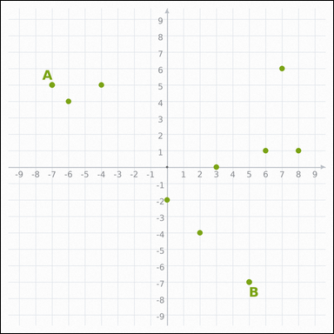 | 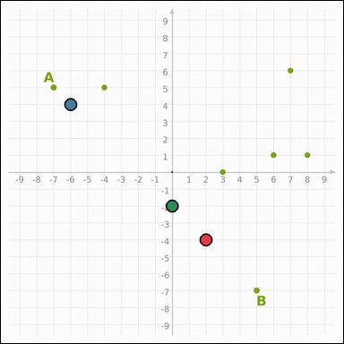 | task_geometry_coordinate_relation | collinear_count | You are given a graph-paper coordinate image with a coordinate-plane diagram with labeled points A and B plus unlabeled dot points. Determine the answer from the graph-paper coordinate relation diagram. How many other points lie on the line through A and B? Return a valid JSON object with keys "evidence" and "answer" in that order. Evidence rule: set "evidence" to an array of every graph-paper point coordinate [x, y] for the dot points that lie on the same line as A and B. Answer rule: set "answer" to the integer count requested by the question. Example JSON: {"evidence":[[0,0],[4,0],[0,3]],"answer":8} | You are given a graph-paper coordinate image with a coordinate-plane diagram with labeled points A and B plus unlabeled dot points. Determine the answer from the graph-paper coordinate relation diagram. How many other points lie on the line through A and B? Return a valid JSON object with key "answer". Answer field: set "answer" to the integer count requested by the question. Example JSON: {"answer":8} | {"evidence": [[2, -4], [-6, 4], [0, -2]], "answer": 3} | [[2, -4], [-6, 4], [0, -2]] | integer | graph_point_set | 912886638146073 | geometry/task_geometry_coordinate_relation/images/collinear_count/0024.png | geometry/task_geometry_coordinate_relation/data/collinear_count/0024.json
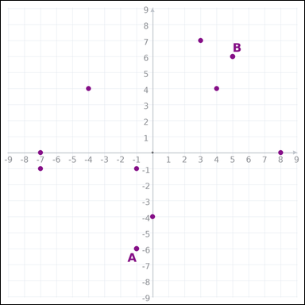 | 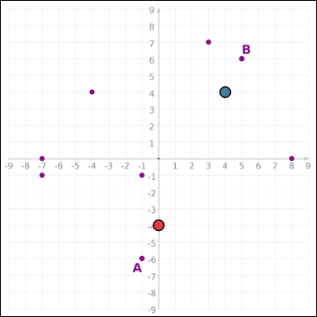 | task_geometry_coordinate_relation | collinear_count | Look at the graph-paper coordinate diagram. It shows a coordinate-plane diagram with labeled points A and B plus unlabeled dot points. Answer the question using the full coordinate-plane diagram. Count the dot points that are collinear with points A and B. Return a valid JSON object with keys "evidence" and "answer" in that order. Evidence format: set "evidence" to an array of every graph-paper point coordinate [x, y] for the dot points that lie on the same line as A and B. Answer requirement: set "answer" to the integer count requested by the question. Example JSON: {"evidence":[[0,0],[4,0]],"answer":8} | Look at the graph-paper coordinate diagram. It shows a coordinate-plane diagram with labeled points A and B plus unlabeled dot points. Answer the question using the full coordinate-plane diagram. Count the dot points that are collinear with points A and B. Return a valid JSON object with key "answer". Answer rule: set "answer" to the integer count requested by the question. Example JSON: {"answer":8} | {"evidence": [[0, -4], [4, 4]], "answer": 2} | [[0, -4], [4, 4]] | integer | graph_point_set | 1.5881396964E+15 | geometry/task_geometry_coordinate_relation/images/collinear_count/0010.png | geometry/task_geometry_coordinate_relation/data/collinear_count/0010.json
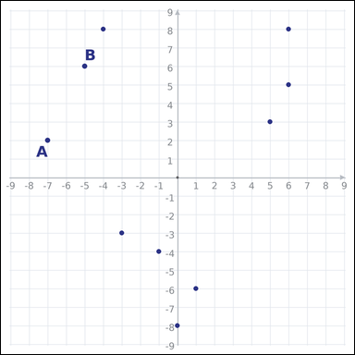 | 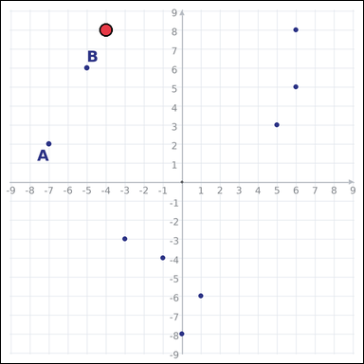 | task_geometry_coordinate_relation | collinear_count | Work from the graph-paper coordinate diagram showing a coordinate-plane diagram with labeled points A and B plus unlabeled dot points. Work from the full coordinate graph to answer the question. Count the dot points, excluding A and B themselves, that lie on the same line as A and B. Return a valid JSON object with keys "evidence" and "answer" in that order. Evidence: set "evidence" to an array of every graph-paper point coordinate [x, y] for the dot points that lie on the same line as A and B. Answer: set "answer" to the integer count requested by the question. Example JSON: {"evidence":[[0,0]],"answer":8} | Work from the graph-paper coordinate diagram showing a coordinate-plane diagram with labeled points A and B plus unlabeled dot points. Work from the full coordinate graph to answer the question. Count the dot points, excluding A and B themselves, that lie on the same line as A and B. Return a valid JSON object with key "answer". Answer: set "answer" to the integer count requested by the question. Example JSON: {"answer":8} | {"evidence": [[-4, 8]], "answer": 1} | [[-4, 8]] | integer | graph_point_set | 1.7209119373E+15 | geometry/task_geometry_coordinate_relation/images/collinear_count/0019.png | geometry/task_geometry_coordinate_relation/data/collinear_count/0019.json
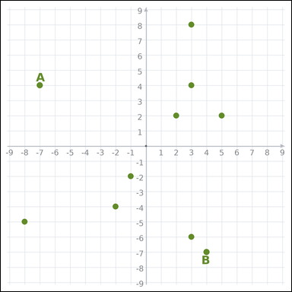 | 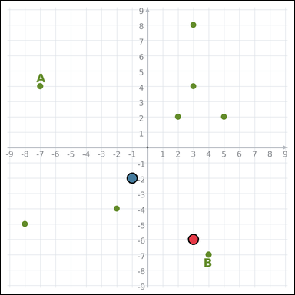 | task_geometry_coordinate_relation | collinear_count | Use the graph-paper coordinate image showing a coordinate-plane diagram with labeled points A and B plus unlabeled dot points. Work from the full coordinate graph to answer the question. How many other points lie on the line through A and B? Return a valid JSON object with keys "evidence" and "answer" in that order. Evidence format: set "evidence" to an array of every graph-paper point coordinate [x, y] for the dot points that lie on the same line as A and B. Answer requirement: set "answer" to the integer count requested by the question. Example JSON: {"evidence":[[0,0],[4,0]],"answer":8} | Use the graph-paper coordinate image showing a coordinate-plane diagram with labeled points A and B plus unlabeled dot points. Work from the full coordinate graph to answer the question. How many other points lie on the line through A and B? Return a valid JSON object with key "answer". Answer rule: set "answer" to the integer count requested by the question. Example JSON: {"answer":8} | {"evidence": [[3, -6], [-1, -2]], "answer": 2} | [[3, -6], [-1, -2]] | integer | graph_point_set | 1.7642507596E+15 | geometry/task_geometry_coordinate_relation/images/collinear_count/0002.png | geometry/task_geometry_coordinate_relation/data/collinear_count/0002.json
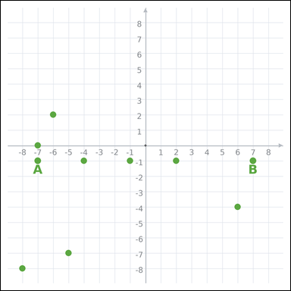 | 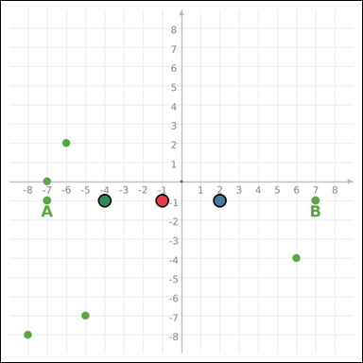 | task_geometry_coordinate_relation | collinear_count | Look at the graph-paper coordinate diagram. It shows a coordinate-plane diagram with labeled points A and B plus unlabeled dot points. Work from the full coordinate graph to answer the question. Using A and B as the reference line, how many dot points lie on that same line? Return a valid JSON object with keys "evidence" and "answer" in that order. Evidence field: set "evidence" to an array of every graph-paper point coordinate [x, y] for the dot points that lie on the same line as A and B. Answer field: set "answer" to the integer count requested by the question. Example JSON: {"evidence":[[0,0],[4,0],[0,3]],"answer":8} | Look at the graph-paper coordinate diagram. It shows a coordinate-plane diagram with labeled points A and B plus unlabeled dot points. Work from the full coordinate graph to answer the question. Using A and B as the reference line, how many dot points lie on that same line? Return a valid JSON object with key "answer". Answer requirement: set "answer" to the integer count requested by the question. Example JSON: {"answer":8} | {"evidence": [[-1, -1], [2, -1], [-4, -1]], "answer": 3} | [[-1, -1], [2, -1], [-4, -1]] | integer | graph_point_set | 2.0981214422E+15 | geometry/task_geometry_coordinate_relation/images/collinear_count/0016.png | geometry/task_geometry_coordinate_relation/data/collinear_count/0016.json
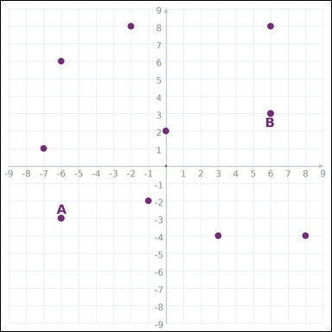 |  | task_geometry_coordinate_relation | collinear_count | Work from the graph-paper coordinate diagram showing a coordinate-plane diagram with labeled points A and B plus unlabeled dot points. Work from the full coordinate graph to answer the question. How many dot points lie on the same line as points A and B? Return a valid JSON object with keys "evidence" and "answer" in that order. Evidence field: set "evidence" to an array of every graph-paper point coordinate [x, y] for the dot points that lie on the same line as A and B. Answer field: set "answer" to the integer count requested by the question. Example JSON: {"evidence":[],"answer":8} | Work from the graph-paper coordinate diagram showing a coordinate-plane diagram with labeled points A and B plus unlabeled dot points. Work from the full coordinate graph to answer the question. How many dot points lie on the same line as points A and B? Return a valid JSON object with key "answer". Answer rule: set "answer" to the integer count requested by the question. Example JSON: {"answer":8} | {"evidence": [], "answer": 0} | [] | integer | graph_point_set | 2.1201278085E+15 | geometry/task_geometry_coordinate_relation/images/collinear_count/0023.png | geometry/task_geometry_coordinate_relation/data/collinear_count/0023.json
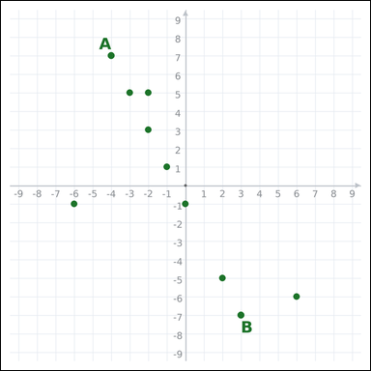 | 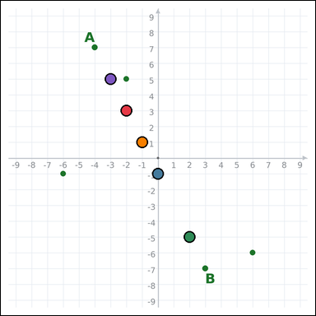 | task_geometry_coordinate_relation | collinear_count | The graph-paper image shows a coordinate-plane diagram with labeled points A and B plus unlabeled dot points. Read the coordinate-plane diagram carefully, then answer the question. Count the dot points, excluding A and B themselves, that lie on the same line as A and B. Return a valid JSON object with keys "evidence" and "answer" in that order. Evidence rule: set "evidence" to an array of every graph-paper point coordinate [x, y] for the dot points that lie on the same line as A and B. Answer rule: set "answer" to the integer count requested by the question. Example JSON: {"evidence":[[0,0],[4,0],[5,2],[2,4],[-1,2]],"answer":8} | The graph-paper image shows a coordinate-plane diagram with labeled points A and B plus unlabeled dot points. Read the coordinate-plane diagram carefully, then answer the question. Count the dot points, excluding A and B themselves, that lie on the same line as A and B. Return a valid JSON object with key "answer". Answer rule: set "answer" to the integer count requested by the question. Example JSON: {"answer":8} | {"evidence": [[-2, 3], [0, -1], [2, -5], [-1, 1], [-3, 5]], "answer": 5} | [[-2, 3], [0, -1], [2, -5], [-1, 1], [-3, 5]] | integer | graph_point_set | 2.8650381864E+15 | geometry/task_geometry_coordinate_relation/images/collinear_count/0021.png | geometry/task_geometry_coordinate_relation/data/collinear_count/0021.json
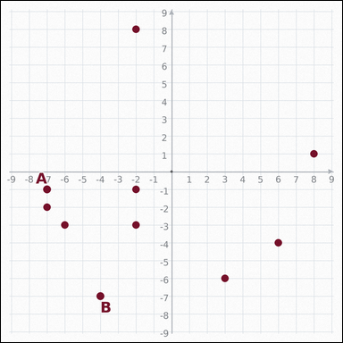 | 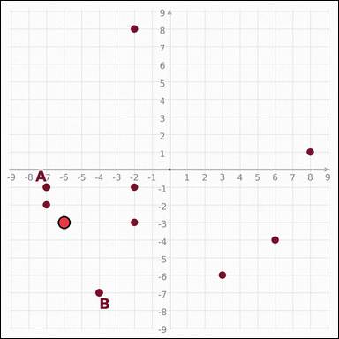 | task_geometry_coordinate_relation | collinear_count | Work from the graph-paper coordinate diagram showing a coordinate-plane diagram with labeled points A and B plus unlabeled dot points. Use the complete graph-paper coordinate scene to answer the question. How many other points lie on the line through A and B? Return a valid JSON object with keys "evidence" and "answer" in that order. Evidence: set "evidence" to an array of every graph-paper point coordinate [x, y] for the dot points that lie on the same line as A and B. Answer: set "answer" to the integer count requested by the question. Example JSON: {"evidence":[[0,0]],"answer":8} | Work from the graph-paper coordinate diagram showing a coordinate-plane diagram with labeled points A and B plus unlabeled dot points. Use the complete graph-paper coordinate scene to answer the question. How many other points lie on the line through A and B? Return a valid JSON object with key "answer". Answer format: set "answer" to the integer count requested by the question. Example JSON: {"answer":8} | {"evidence": [[-6, -3]], "answer": 1} | [[-6, -3]] | integer | graph_point_set | 3.293377267E+15 | geometry/task_geometry_coordinate_relation/images/collinear_count/0015.png | geometry/task_geometry_coordinate_relation/data/collinear_count/0015.json
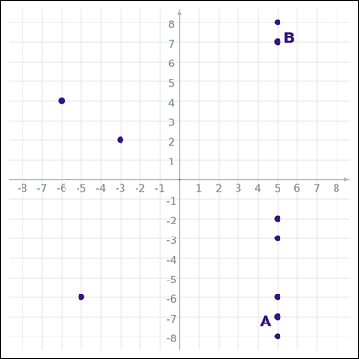 | 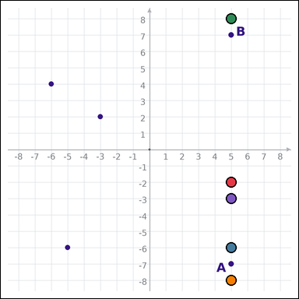 | task_geometry_coordinate_relation | collinear_count | You are given a graph-paper coordinate image with a coordinate-plane diagram with labeled points A and B plus unlabeled dot points. Determine the answer from the graph-paper coordinate relation diagram. How many dot points lie on the same line as points A and B? Return a valid JSON object with keys "evidence" and "answer" in that order. Evidence field: set "evidence" to an array of every graph-paper point coordinate [x, y] for the dot points that lie on the same line as A and B. Answer field: set "answer" to the integer count requested by the question. Example JSON: {"evidence":[[0,0],[4,0],[5,2],[2,4],[-1,2]],"answer":8} | You are given a graph-paper coordinate image with a coordinate-plane diagram with labeled points A and B plus unlabeled dot points. Determine the answer from the graph-paper coordinate relation diagram. How many dot points lie on the same line as points A and B? Return a valid JSON object with key "answer". Answer format: set "answer" to the integer count requested by the question. Example JSON: {"answer":8} | {"evidence": [[5, -2], [5, -6], [5, 8], [5, -8], [5, -3]], "answer": 5} | [[5, -2], [5, -6], [5, 8], [5, -8], [5, -3]] | integer | graph_point_set | 3.6086551022E+15 | geometry/task_geometry_coordinate_relation/images/collinear_count/0008.png | geometry/task_geometry_coordinate_relation/data/collinear_count/0008.json
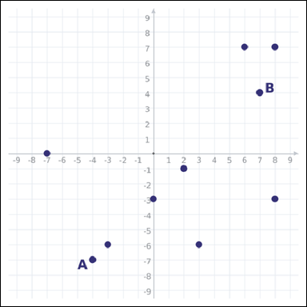 | 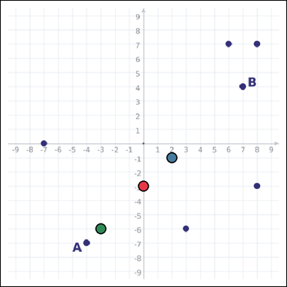 | task_geometry_coordinate_relation | collinear_count | Use the graph-paper coordinate image showing a coordinate-plane diagram with labeled points A and B plus unlabeled dot points. Read the coordinate-plane diagram carefully, then answer the question. Count the dot points, excluding A and B themselves, that lie on the same line as A and B. Return a valid JSON object with keys "evidence" and "answer" in that order. Evidence field: set "evidence" to an array of every graph-paper point coordinate [x, y] for the dot points that lie on the same line as A and B. Answer field: set "answer" to the integer count requested by the question. Example JSON: {"evidence":[[0,0],[4,0],[0,3]],"answer":8} | Use the graph-paper coordinate image showing a coordinate-plane diagram with labeled points A and B plus unlabeled dot points. Read the coordinate-plane diagram carefully, then answer the question. Count the dot points, excluding A and B themselves, that lie on the same line as A and B. Return a valid JSON object with key "answer". Answer rule: set "answer" to the integer count requested by the question. Example JSON: {"answer":8} | {"evidence": [[0, -3], [2, -1], [-3, -6]], "answer": 3} | [[0, -3], [2, -1], [-3, -6]] | integer | graph_point_set | 4.0957984298E+15 | geometry/task_geometry_coordinate_relation/images/collinear_count/0005.png | geometry/task_geometry_coordinate_relation/data/collinear_count/0005.json
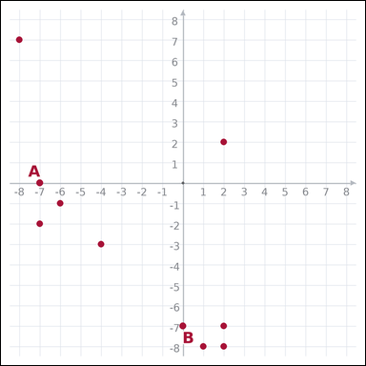 | 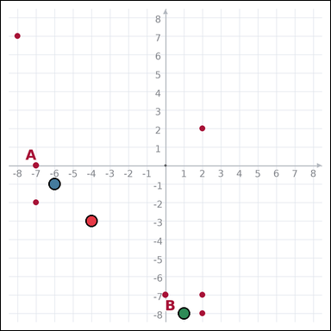 | task_geometry_coordinate_relation | collinear_count | Look at the graph-paper coordinate diagram. It shows a coordinate-plane diagram with labeled points A and B plus unlabeled dot points. Use the complete graph-paper coordinate scene to answer the question. Count the dot points, excluding A and B themselves, that lie on the same line as A and B. Return a valid JSON object with keys "evidence" and "answer" in that order. Evidence: set "evidence" to an array of every graph-paper point coordinate [x, y] for the dot points that lie on the same line as A and B. Answer: set "answer" to the integer count requested by the question. Example JSON: {"evidence":[[0,0],[4,0],[0,3]],"answer":8} | Look at the graph-paper coordinate diagram. It shows a coordinate-plane diagram with labeled points A and B plus unlabeled dot points. Use the complete graph-paper coordinate scene to answer the question. Count the dot points, excluding A and B themselves, that lie on the same line as A and B. Return a valid JSON object with key "answer". Answer rule: set "answer" to the integer count requested by the question. Example JSON: {"answer":8} | {"evidence": [[-4, -3], [-6, -1], [1, -8]], "answer": 3} | [[-4, -3], [-6, -1], [1, -8]] | integer | graph_point_set | 4.2490897625E+15 | geometry/task_geometry_coordinate_relation/images/collinear_count/0004.png | geometry/task_geometry_coordinate_relation/data/collinear_count/0004.json
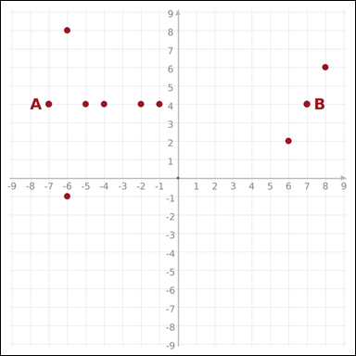 | 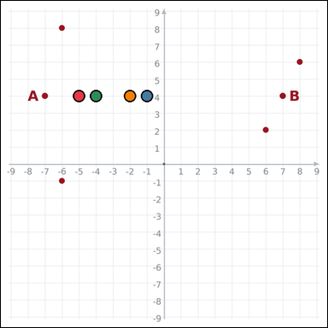 | task_geometry_coordinate_relation | collinear_count | The graph-paper image shows a coordinate-plane diagram with labeled points A and B plus unlabeled dot points. Work from the full coordinate graph to answer the question. Count the dot points, excluding A and B themselves, that lie on the same line as A and B. Return a valid JSON object with keys "evidence" and "answer" in that order. Evidence requirement: set "evidence" to an array of every graph-paper point coordinate [x, y] for the dot points that lie on the same line as A and B. Answer format: set "answer" to the integer count requested by the question. Example JSON: {"evidence":[[0,0],[4,0],[4,2],[0,2]],"answer":8} | The graph-paper image shows a coordinate-plane diagram with labeled points A and B plus unlabeled dot points. Work from the full coordinate graph to answer the question. Count the dot points, excluding A and B themselves, that lie on the same line as A and B. Return a valid JSON object with key "answer". Answer requirement: set "answer" to the integer count requested by the question. Example JSON: {"answer":8} | {"evidence": [[-5, 4], [-1, 4], [-4, 4], [-2, 4]], "answer": 4} | [[-5, 4], [-1, 4], [-4, 4], [-2, 4]] | integer | graph_point_set | 4.6098003245E+15 | geometry/task_geometry_coordinate_relation/images/collinear_count/0017.png | geometry/task_geometry_coordinate_relation/data/collinear_count/0017.json
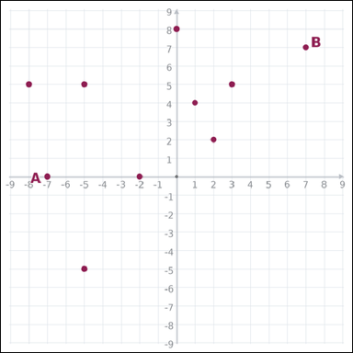 | 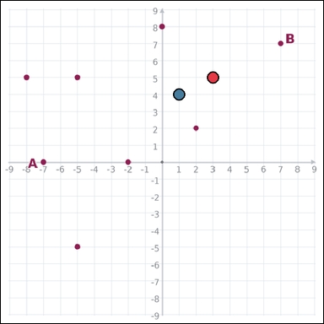 | task_geometry_coordinate_relation | collinear_count | Look at the graph-paper coordinate diagram. It shows a coordinate-plane diagram with labeled points A and B plus unlabeled dot points. Read the coordinate-plane diagram carefully, then answer the question. How many dot points lie on the same line as points A and B? Return a valid JSON object with keys "evidence" and "answer" in that order. Evidence format: set "evidence" to an array of every graph-paper point coordinate [x, y] for the dot points that lie on the same line as A and B. Answer requirement: set "answer" to the integer count requested by the question. Example JSON: {"evidence":[[0,0],[4,0]],"answer":8} | Look at the graph-paper coordinate diagram. It shows a coordinate-plane diagram with labeled points A and B plus unlabeled dot points. Read the coordinate-plane diagram carefully, then answer the question. How many dot points lie on the same line as points A and B? Return a valid JSON object with key "answer". Answer: set "answer" to the integer count requested by the question. Example JSON: {"answer":8} | {"evidence": [[3, 5], [1, 4]], "answer": 2} | [[3, 5], [1, 4]] | integer | graph_point_set | 4.7345505535E+15 | geometry/task_geometry_coordinate_relation/images/collinear_count/0014.png | geometry/task_geometry_coordinate_relation/data/collinear_count/0014.json
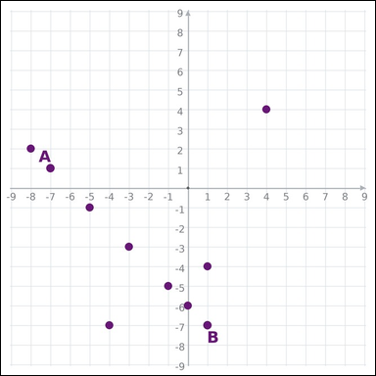 | 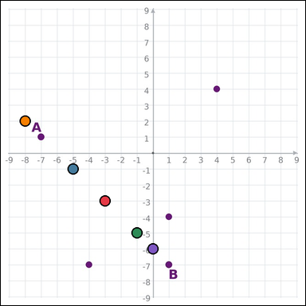 | task_geometry_coordinate_relation | collinear_count | You are given a graph-paper coordinate image with a coordinate-plane diagram with labeled points A and B plus unlabeled dot points. Determine the answer from the graph-paper coordinate relation diagram. Using A and B as the reference line, how many dot points lie on that same line? Return a valid JSON object with keys "evidence" and "answer" in that order. Evidence field: set "evidence" to an array of every graph-paper point coordinate [x, y] for the dot points that lie on the same line as A and B. Answer field: set "answer" to the integer count requested by the question. Example JSON: {"evidence":[[0,0],[4,0],[5,2],[2,4],[-1,2]],"answer":8} | You are given a graph-paper coordinate image with a coordinate-plane diagram with labeled points A and B plus unlabeled dot points. Determine the answer from the graph-paper coordinate relation diagram. Using A and B as the reference line, how many dot points lie on that same line? Return a valid JSON object with key "answer". Answer requirement: set "answer" to the integer count requested by the question. Example JSON: {"answer":8} | {"evidence": [[-3, -3], [-5, -1], [-1, -5], [-8, 2], [0, -6]], "answer": 5} | [[-3, -3], [-5, -1], [-1, -5], [-8, 2], [0, -6]] | integer | graph_point_set | 5.5805417707E+15 | geometry/task_geometry_coordinate_relation/images/collinear_count/0003.png | geometry/task_geometry_coordinate_relation/data/collinear_count/0003.json
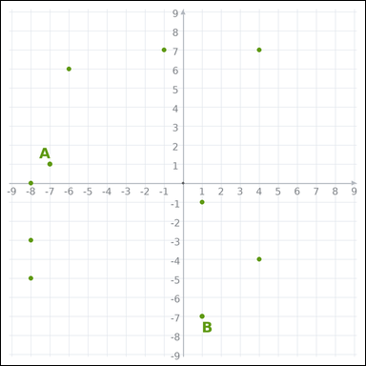 |  | task_geometry_coordinate_relation | collinear_count | Use the graph-paper coordinate image showing a coordinate-plane diagram with labeled points A and B plus unlabeled dot points. Work from the full coordinate graph to answer the question. How many other points lie on the line through A and B? Return a valid JSON object with keys "evidence" and "answer" in that order. Evidence field: set "evidence" to an array of every graph-paper point coordinate [x, y] for the dot points that lie on the same line as A and B. Answer field: set "answer" to the integer count requested by the question. Example JSON: {"evidence":[],"answer":8} | Use the graph-paper coordinate image showing a coordinate-plane diagram with labeled points A and B plus unlabeled dot points. Work from the full coordinate graph to answer the question. How many other points lie on the line through A and B? Return a valid JSON object with key "answer". Answer field: set "answer" to the integer count requested by the question. Example JSON: {"answer":8} | {"evidence": [], "answer": 0} | [] | integer | graph_point_set | 5.7166950741E+15 | geometry/task_geometry_coordinate_relation/images/collinear_count/0001.png | geometry/task_geometry_coordinate_relation/data/collinear_count/0001.json
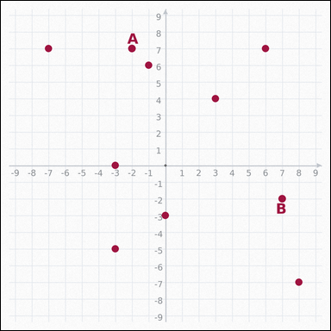 | 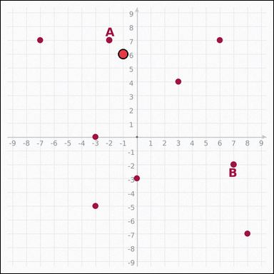 | task_geometry_coordinate_relation | collinear_count | Look at the graph-paper coordinate diagram. It shows a coordinate-plane diagram with labeled points A and B plus unlabeled dot points. Use the complete graph-paper coordinate scene to answer the question. Using A and B as the reference line, how many dot points lie on that same line? Return a valid JSON object with keys "evidence" and "answer" in that order. Evidence requirement: set "evidence" to an array of every graph-paper point coordinate [x, y] for the dot points that lie on the same line as A and B. Answer format: set "answer" to the integer count requested by the question. Example JSON: {"evidence":[[0,0]],"answer":8} | Look at the graph-paper coordinate diagram. It shows a coordinate-plane diagram with labeled points A and B plus unlabeled dot points. Use the complete graph-paper coordinate scene to answer the question. Using A and B as the reference line, how many dot points lie on that same line? Return a valid JSON object with key "answer". Answer format: set "answer" to the integer count requested by the question. Example JSON: {"answer":8} | {"evidence": [[-1, 6]], "answer": 1} | [[-1, 6]] | integer | graph_point_set | 5.7406923626E+15 | geometry/task_geometry_coordinate_relation/images/collinear_count/0012.png | geometry/task_geometry_coordinate_relation/data/collinear_count/0012.json
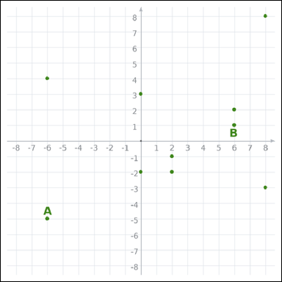 | 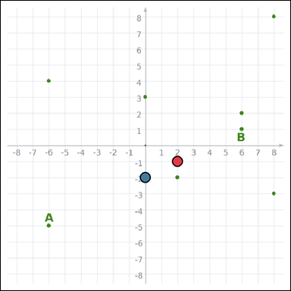 | task_geometry_coordinate_relation | collinear_count | Work from the graph-paper coordinate diagram showing a coordinate-plane diagram with labeled points A and B plus unlabeled dot points. Use the complete graph-paper coordinate scene to answer the question. Using A and B as the reference line, how many dot points lie on that same line? Return a valid JSON object with keys "evidence" and "answer" in that order. Evidence format: set "evidence" to an array of every graph-paper point coordinate [x, y] for the dot points that lie on the same line as A and B. Answer requirement: set "answer" to the integer count requested by the question. Example JSON: {"evidence":[[0,0],[4,0]],"answer":8} | Work from the graph-paper coordinate diagram showing a coordinate-plane diagram with labeled points A and B plus unlabeled dot points. Use the complete graph-paper coordinate scene to answer the question. Using A and B as the reference line, how many dot points lie on that same line? Return a valid JSON object with key "answer". Answer: set "answer" to the integer count requested by the question. Example JSON: {"answer":8} | {"evidence": [[2, -1], [0, -2]], "answer": 2} | [[2, -1], [0, -2]] | integer | graph_point_set | 5.9926617489E+15 | geometry/task_geometry_coordinate_relation/images/collinear_count/0000.png | geometry/task_geometry_coordinate_relation/data/collinear_count/0000.json
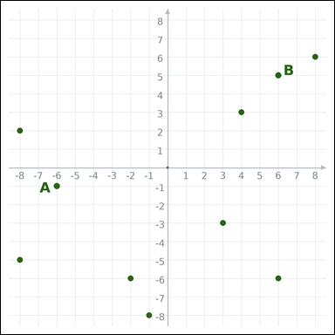 | 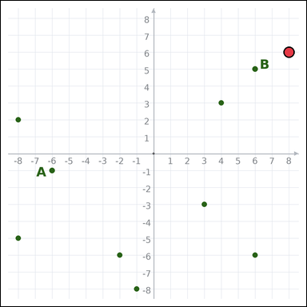 | task_geometry_coordinate_relation | collinear_count | Use the graph-paper coordinate image showing a coordinate-plane diagram with labeled points A and B plus unlabeled dot points. Read the coordinate-plane diagram carefully, then answer the question. How many other points lie on the line through A and B? Return a valid JSON object with keys "evidence" and "answer" in that order. Evidence rule: set "evidence" to an array of every graph-paper point coordinate [x, y] for the dot points that lie on the same line as A and B. Answer rule: set "answer" to the integer count requested by the question. Example JSON: {"evidence":[[0,0]],"answer":8} | Use the graph-paper coordinate image showing a coordinate-plane diagram with labeled points A and B plus unlabeled dot points. Read the coordinate-plane diagram carefully, then answer the question. How many other points lie on the line through A and B? Return a valid JSON object with key "answer". Answer field: set "answer" to the integer count requested by the question. Example JSON: {"answer":8} | {"evidence": [[8, 6]], "answer": 1} | [[8, 6]] | integer | graph_point_set | 7.5188136058E+15 | geometry/task_geometry_coordinate_relation/images/collinear_count/0020.png | geometry/task_geometry_coordinate_relation/data/collinear_count/0020.json
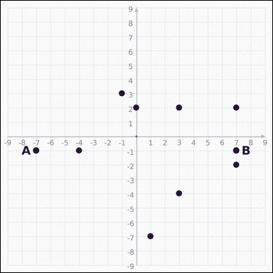 | 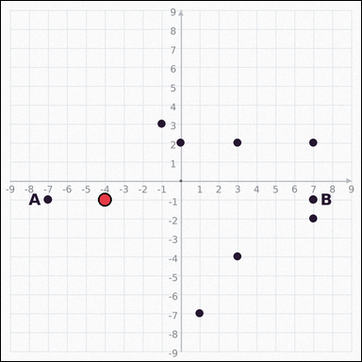 | task_geometry_coordinate_relation | collinear_count | You are given a graph-paper coordinate image with a coordinate-plane diagram with labeled points A and B plus unlabeled dot points. Work from the full coordinate graph to answer the question. How many other points lie on the line through A and B? Return a valid JSON object with keys "evidence" and "answer" in that order. Evidence: set "evidence" to an array of every graph-paper point coordinate [x, y] for the dot points that lie on the same line as A and B. Answer: set "answer" to the integer count requested by the question. Example JSON: {"evidence":[[0,0]],"answer":8} | You are given a graph-paper coordinate image with a coordinate-plane diagram with labeled points A and B plus unlabeled dot points. Work from the full coordinate graph to answer the question. How many other points lie on the line through A and B? Return a valid JSON object with key "answer". Answer format: set "answer" to the integer count requested by the question. Example JSON: {"answer":8} | {"evidence": [[-4, -1]], "answer": 1} | [[-4, -1]] | integer | graph_point_set | 7.6960812059E+15 | geometry/task_geometry_coordinate_relation/images/collinear_count/0018.png | geometry/task_geometry_coordinate_relation/data/collinear_count/0018.json
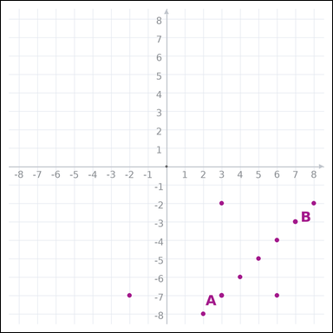 | 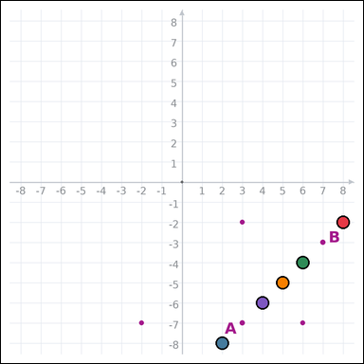 | task_geometry_coordinate_relation | collinear_count | Use the graph-paper coordinate image showing a coordinate-plane diagram with labeled points A and B plus unlabeled dot points. Answer the question using the full coordinate-plane diagram. How many other points lie on the line through A and B? Return a valid JSON object with keys "evidence" and "answer" in that order. Evidence format: set "evidence" to an array of every graph-paper point coordinate [x, y] for the dot points that lie on the same line as A and B. Answer requirement: set "answer" to the integer count requested by the question. Example JSON: {"evidence":[[0,0],[4,0],[5,2],[2,4],[-1,2]],"answer":8} | Use the graph-paper coordinate image showing a coordinate-plane diagram with labeled points A and B plus unlabeled dot points. Answer the question using the full coordinate-plane diagram. How many other points lie on the line through A and B? Return a valid JSON object with key "answer". Answer rule: set "answer" to the integer count requested by the question. Example JSON: {"answer":8} | {"evidence": [[8, -2], [2, -8], [6, -4], [5, -5], [4, -6]], "answer": 5} | [[8, -2], [2, -8], [6, -4], [5, -5], [4, -6]] | integer | graph_point_set | 7.7843246166E+15 | geometry/task_geometry_coordinate_relation/images/collinear_count/0006.png | geometry/task_geometry_coordinate_relation/data/collinear_count/0006.json
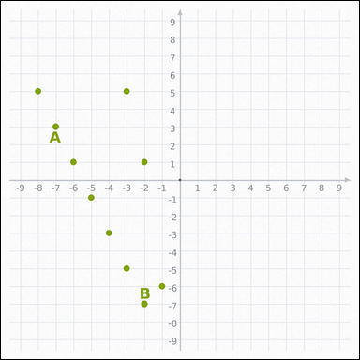 | 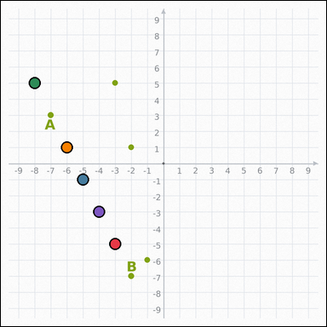 | task_geometry_coordinate_relation | collinear_count | Work from the graph-paper coordinate diagram showing a coordinate-plane diagram with labeled points A and B plus unlabeled dot points. Answer the question using the full coordinate-plane diagram. Using A and B as the reference line, how many dot points lie on that same line? Return a valid JSON object with keys "evidence" and "answer" in that order. Evidence field: set "evidence" to an array of every graph-paper point coordinate [x, y] for the dot points that lie on the same line as A and B. Answer field: set "answer" to the integer count requested by the question. Example JSON: {"evidence":[[0,0],[4,0],[5,2],[2,4],[-1,2]],"answer":8} | Work from the graph-paper coordinate diagram showing a coordinate-plane diagram with labeled points A and B plus unlabeled dot points. Answer the question using the full coordinate-plane diagram. Using A and B as the reference line, how many dot points lie on that same line? Return a valid JSON object with key "answer". Answer format: set "answer" to the integer count requested by the question. Example JSON: {"answer":8} | {"evidence": [[-3, -5], [-5, -1], [-8, 5], [-6, 1], [-4, -3]], "answer": 5} | [[-3, -5], [-5, -1], [-8, 5], [-6, 1], [-4, -3]] | integer | graph_point_set | 7.8320772306E+15 | geometry/task_geometry_coordinate_relation/images/collinear_count/0011.png | geometry/task_geometry_coordinate_relation/data/collinear_count/0011.json
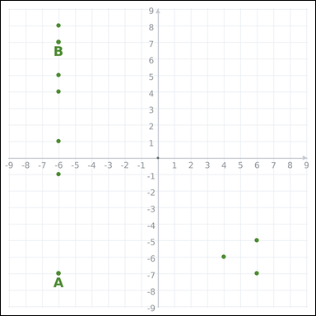 | 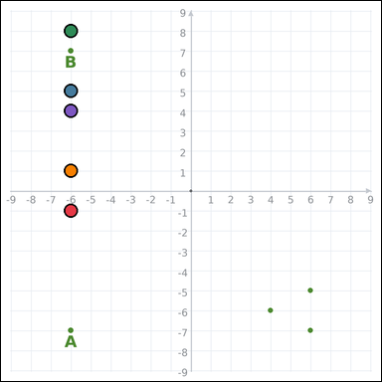 | task_geometry_coordinate_relation | collinear_count | The graph-paper image shows a coordinate-plane diagram with labeled points A and B plus unlabeled dot points. Use the complete graph-paper coordinate scene to answer the question. Count the dot points, excluding A and B themselves, that lie on the same line as A and B. Return a valid JSON object with keys "evidence" and "answer" in that order. Evidence field: set "evidence" to an array of every graph-paper point coordinate [x, y] for the dot points that lie on the same line as A and B. Answer field: set "answer" to the integer count requested by the question. Example JSON: {"evidence":[[0,0],[4,0],[5,2],[2,4],[-1,2]],"answer":8} | The graph-paper image shows a coordinate-plane diagram with labeled points A and B plus unlabeled dot points. Use the complete graph-paper coordinate scene to answer the question. Count the dot points, excluding A and B themselves, that lie on the same line as A and B. Return a valid JSON object with key "answer". Answer field: set "answer" to the integer count requested by the question. Example JSON: {"answer":8} | {"evidence": [[-6, -1], [-6, 5], [-6, 8], [-6, 1], [-6, 4]], "answer": 5} | [[-6, -1], [-6, 5], [-6, 8], [-6, 1], [-6, 4]] | integer | graph_point_set | 7.8405785201E+15 | geometry/task_geometry_coordinate_relation/images/collinear_count/0022.png | geometry/task_geometry_coordinate_relation/data/collinear_count/0022.json
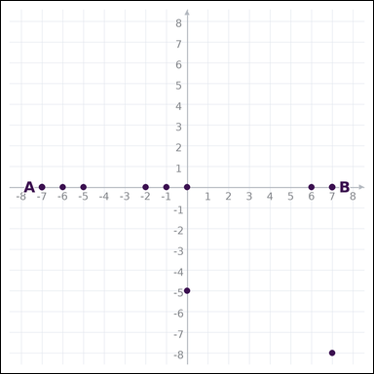 | 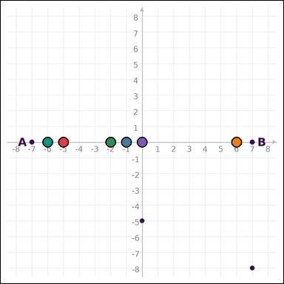 | task_geometry_coordinate_relation | collinear_count | Work from the graph-paper coordinate diagram showing a coordinate-plane diagram with labeled points A and B plus unlabeled dot points. Determine the answer from the graph-paper coordinate relation diagram. Count the dot points that are collinear with points A and B. Return a valid JSON object with keys "evidence" and "answer" in that order. Evidence field: set "evidence" to an array of every graph-paper point coordinate [x, y] for the dot points that lie on the same line as A and B. Answer field: set "answer" to the integer count requested by the question. Example JSON: {"evidence":[[0,0],[1,-1],[2,-2],[3,-3],[4,-4],[5,-5]],"answer":8} | Work from the graph-paper coordinate diagram showing a coordinate-plane diagram with labeled points A and B plus unlabeled dot points. Determine the answer from the graph-paper coordinate relation diagram. Count the dot points that are collinear with points A and B. Return a valid JSON object with key "answer". Answer format: set "answer" to the integer count requested by the question. Example JSON: {"answer":8} | {"evidence": [[-5, 0], [-1, 0], [-2, 0], [6, 0], [0, 0], [-6, 0]], "answer": 6} | [[-5, 0], [-1, 0], [-2, 0], [6, 0], [0, 0], [-6, 0]] | integer | graph_point_set | 8.173718753E+15 | geometry/task_geometry_coordinate_relation/images/collinear_count/0013.png | geometry/task_geometry_coordinate_relation/data/collinear_count/0013.json

parallel_count
image | evidence_image | task | task_variant | prompt | prompt_answer_only | answer | answer_evidence | answer_type | evidence_type | instance_seed | image_path | data_path
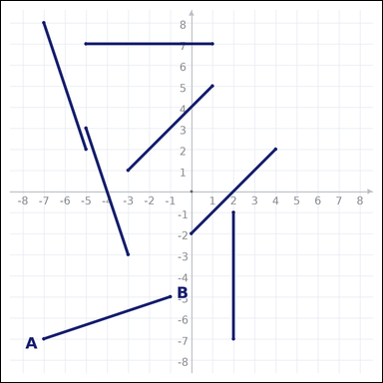 |  | task_geometry_coordinate_relation | parallel_count | The graph-paper image shows a coordinate-plane diagram with target segment AB and six other unlabeled segments. Read the coordinate-plane diagram carefully, then answer the question. Count the segments, excluding AB itself, that are parallel to segment AB. Return a valid JSON object with keys "evidence" and "answer" in that order. Evidence format: set "evidence" to an array of every graph-paper point coordinate [x, y] that is an endpoint of a segment satisfying the question. Answer requirement: set "answer" to the integer count requested by the question. Example JSON: {"evidence":[],"answer":8} | The graph-paper image shows a coordinate-plane diagram with target segment AB and six other unlabeled segments. Read the coordinate-plane diagram carefully, then answer the question. Count the segments, excluding AB itself, that are parallel to segment AB. Return a valid JSON object with key "answer". Answer requirement: set "answer" to the integer count requested by the question. Example JSON: {"answer":8} | {"evidence": [], "answer": 0} | [] | integer | graph_point_set | 97763044583120 | geometry/task_geometry_coordinate_relation/images/parallel_count/0008.png | geometry/task_geometry_coordinate_relation/data/parallel_count/0008.json
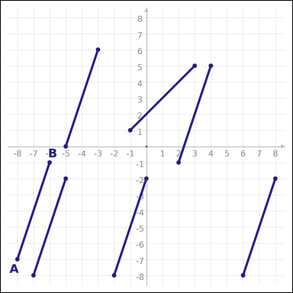 | 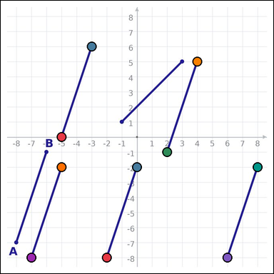 | task_geometry_coordinate_relation | parallel_count | Use the graph-paper coordinate image showing a coordinate-plane diagram with target segment AB and six other unlabeled segments. Answer the question using the full coordinate-plane diagram. Count the segments, excluding AB itself, that are parallel to segment AB. Return a valid JSON object with keys "evidence" and "answer" in that order. Evidence requirement: set "evidence" to an array of every graph-paper point coordinate [x, y] that is an endpoint of a segment satisfying the question. Answer format: set "answer" to the integer count requested by the question. Example JSON: {"evidence":[[0,0],[1,-1],[2,-2],[3,-3],[4,-4],[5,-5],[6,-6],[7,-7],[8,-8],[9,-9]],"answer":8} | Use the graph-paper coordinate image showing a coordinate-plane diagram with target segment AB and six other unlabeled segments. Answer the question using the full coordinate-plane diagram. Count the segments, excluding AB itself, that are parallel to segment AB. Return a valid JSON object with key "answer". Answer rule: set "answer" to the integer count requested by the question. Example JSON: {"answer":8} | {"evidence": [[-5, 0], [-3, 6], [2, -1], [4, 5], [6, -8], [8, -2], [-7, -8], [-5, -2], [-2, -8], [0, -2]], "answer": 5} | [[-5, 0], [-3, 6], [2, -1], [4, 5], [6, -8], [8, -2], [-7, -8], [-5, -2], [-2, -8], [0, -2]] | integer | graph_point_set | 390791048121570 | geometry/task_geometry_coordinate_relation/images/parallel_count/0023.png | geometry/task_geometry_coordinate_relation/data/parallel_count/0023.json
 |  | task_geometry_coordinate_relation | parallel_count | Use the graph-paper coordinate image showing a coordinate-plane diagram with target segment AB and six other unlabeled segments. Work from the full coordinate graph to answer the question. Use segment AB as the reference. How many other segments are parallel to it? Return a valid JSON object with keys "evidence" and "answer" in that order. Evidence rule: set "evidence" to an array of every graph-paper point coordinate [x, y] that is an endpoint of a segment satisfying the question. Answer rule: set "answer" to the integer count requested by the question. Example JSON: {"evidence":[[0,0],[4,0],[4,2],[0,2]],"answer":8} | Use the graph-paper coordinate image showing a coordinate-plane diagram with target segment AB and six other unlabeled segments. Work from the full coordinate graph to answer the question. Use segment AB as the reference. How many other segments are parallel to it? Return a valid JSON object with key "answer". Answer field: set "answer" to the integer count requested by the question. Example JSON: {"answer":8} | {"evidence": [[-8, 5], [-2, 7], [0, 1], [6, 3]], "answer": 2} | [[-8, 5], [-2, 7], [0, 1], [6, 3]] | integer | graph_point_set | 1.0576891821E+15 | geometry/task_geometry_coordinate_relation/images/parallel_count/0006.png | geometry/task_geometry_coordinate_relation/data/parallel_count/0006.json
 |  | task_geometry_coordinate_relation | parallel_count | Look at the graph-paper coordinate diagram. It shows a coordinate-plane diagram with target segment AB and six other unlabeled segments. Answer the question using the full coordinate-plane diagram. How many other segments have the same direction as segment AB? Return a valid JSON object with keys "evidence" and "answer" in that order. Evidence rule: set "evidence" to an array of every graph-paper point coordinate [x, y] that is an endpoint of a segment satisfying the question. Answer rule: set "answer" to the integer count requested by the question. Example JSON: {"evidence":[],"answer":8} | Look at the graph-paper coordinate diagram. It shows a coordinate-plane diagram with target segment AB and six other unlabeled segments. Answer the question using the full coordinate-plane diagram. How many other segments have the same direction as segment AB? Return a valid JSON object with key "answer". Answer field: set "answer" to the integer count requested by the question. Example JSON: {"answer":8} | {"evidence": [], "answer": 0} | [] | integer | graph_point_set | 1.1585487398E+15 | geometry/task_geometry_coordinate_relation/images/parallel_count/0009.png | geometry/task_geometry_coordinate_relation/data/parallel_count/0009.json
 |  | task_geometry_coordinate_relation | parallel_count | The graph-paper image shows a coordinate-plane diagram with target segment AB and six other unlabeled segments. Use the complete graph-paper coordinate scene to answer the question. Count the segments, excluding AB itself, that are parallel to segment AB. Return a valid JSON object with keys "evidence" and "answer" in that order. Evidence: set "evidence" to an array of every graph-paper point coordinate [x, y] that is an endpoint of a segment satisfying the question. Answer: set "answer" to the integer count requested by the question. Example JSON: {"evidence":[[0,0],[1,-1],[2,-2],[3,-3],[4,-4],[5,-5],[6,-6],[7,-7],[8,-8],[9,-9]],"answer":8} | The graph-paper image shows a coordinate-plane diagram with target segment AB and six other unlabeled segments. Use the complete graph-paper coordinate scene to answer the question. Count the segments, excluding AB itself, that are parallel to segment AB. Return a valid JSON object with key "answer". Answer requirement: set "answer" to the integer count requested by the question. Example JSON: {"answer":8} | {"evidence": [[-5, 0], [-1, 4], [-2, -2], [2, 2], [-2, -4], [2, 0], [-4, 3], [0, 7], [2, -1], [6, 3]], "answer": 5} | [[-5, 0], [-1, 4], [-2, -2], [2, 2], [-2, -4], [2, 0], [-4, 3], [0, 7], [2, -1], [6, 3]] | integer | graph_point_set | 1.4530593199E+15 | geometry/task_geometry_coordinate_relation/images/parallel_count/0004.png | geometry/task_geometry_coordinate_relation/data/parallel_count/0004.json
 |  | task_geometry_coordinate_relation | parallel_count | Work from the graph-paper coordinate diagram showing a coordinate-plane diagram with target segment AB and six other unlabeled segments. Determine the answer from the graph-paper coordinate relation diagram. Count the other segments that are parallel to segment AB. Return a valid JSON object with keys "evidence" and "answer" in that order. Evidence: set "evidence" to an array of every graph-paper point coordinate [x, y] that is an endpoint of a segment satisfying the question. Answer: set "answer" to the integer count requested by the question. Example JSON: {"evidence":[[0,0],[4,0]],"answer":8} | Work from the graph-paper coordinate diagram showing a coordinate-plane diagram with target segment AB and six other unlabeled segments. Determine the answer from the graph-paper coordinate relation diagram. Count the other segments that are parallel to segment AB. Return a valid JSON object with key "answer". Answer requirement: set "answer" to the integer count requested by the question. Example JSON: {"answer":8} | {"evidence": [[-7, -8], [-1, -6]], "answer": 1} | [[-7, -8], [-1, -6]] | integer | graph_point_set | 1.4547041239E+15 | geometry/task_geometry_coordinate_relation/images/parallel_count/0013.png | geometry/task_geometry_coordinate_relation/data/parallel_count/0013.json
 |  | task_geometry_coordinate_relation | parallel_count | Work from the graph-paper coordinate diagram showing a coordinate-plane diagram with target segment AB and six other unlabeled segments. Use the complete graph-paper coordinate scene to answer the question. How many other segments are parallel to segment AB? Return a valid JSON object with keys "evidence" and "answer" in that order. Evidence: set "evidence" to an array of every graph-paper point coordinate [x, y] that is an endpoint of a segment satisfying the question. Answer: set "answer" to the integer count requested by the question. Example JSON: {"evidence":[[0,0],[1,-1],[2,-2],[3,-3],[4,-4],[5,-5],[6,-6],[7,-7],[8,-8],[9,-9],[10,-10],[11,-11]],"answer":8} | Work from the graph-paper coordinate diagram showing a coordinate-plane diagram with target segment AB and six other unlabeled segments. Use the complete graph-paper coordinate scene to answer the question. How many other segments are parallel to segment AB? Return a valid JSON object with key "answer". Answer: set "answer" to the integer count requested by the question. Example JSON: {"answer":8} | {"evidence": [[-1, 8], [5, 8], [-6, 7], [0, 7], [0, 1], [6, 1], [0, 5], [6, 5], [-3, -8], [3, -8], [-7, -4], [-1, -4]], "answer": 6} | [[-1, 8], [5, 8], [-6, 7], [0, 7], [0, 1], [6, 1], [0, 5], [6, 5], [-3, -8], [3, -8], [-7, -4], [-1, -4]] | integer | graph_point_set | 1.4652218872E+15 | geometry/task_geometry_coordinate_relation/images/parallel_count/0024.png | geometry/task_geometry_coordinate_relation/data/parallel_count/0024.json
 |  | task_geometry_coordinate_relation | parallel_count | Look at the graph-paper coordinate diagram. It shows a coordinate-plane diagram with target segment AB and six other unlabeled segments. Read the coordinate-plane diagram carefully, then answer the question. Use segment AB as the reference. How many other segments are parallel to it? Return a valid JSON object with keys "evidence" and "answer" in that order. Evidence: set "evidence" to an array of every graph-paper point coordinate [x, y] that is an endpoint of a segment satisfying the question. Answer: set "answer" to the integer count requested by the question. Example JSON: {"evidence":[[0,0],[1,-1],[2,-2],[3,-3],[4,-4],[5,-5],[6,-6],[7,-7],[8,-8],[9,-9]],"answer":8} | Look at the graph-paper coordinate diagram. It shows a coordinate-plane diagram with target segment AB and six other unlabeled segments. Read the coordinate-plane diagram carefully, then answer the question. Use segment AB as the reference. How many other segments are parallel to it? Return a valid JSON object with key "answer". Answer: set "answer" to the integer count requested by the question. Example JSON: {"answer":8} | {"evidence": [[-3, -2], [1, 2], [4, 0], [8, 4], [4, 3], [8, 7], [3, -2], [7, 2], [0, 3], [4, 7]], "answer": 5} | [[-3, -2], [1, 2], [4, 0], [8, 4], [4, 3], [8, 7], [3, -2], [7, 2], [0, 3], [4, 7]] | integer | graph_point_set | 1.4766923367E+15 | geometry/task_geometry_coordinate_relation/images/parallel_count/0002.png | geometry/task_geometry_coordinate_relation/data/parallel_count/0002.json
 |  | task_geometry_coordinate_relation | parallel_count | Work from the graph-paper coordinate diagram showing a coordinate-plane diagram with target segment AB and six other unlabeled segments. Determine the answer from the graph-paper coordinate relation diagram. How many other segments are parallel to segment AB? Return a valid JSON object with keys "evidence" and "answer" in that order. Evidence rule: set "evidence" to an array of every graph-paper point coordinate [x, y] that is an endpoint of a segment satisfying the question. Answer rule: set "answer" to the integer count requested by the question. Example JSON: {"evidence":[[0,0],[4,0]],"answer":8} | Work from the graph-paper coordinate diagram showing a coordinate-plane diagram with target segment AB and six other unlabeled segments. Determine the answer from the graph-paper coordinate relation diagram. How many other segments are parallel to segment AB? Return a valid JSON object with key "answer". Answer field: set "answer" to the integer count requested by the question. Example JSON: {"answer":8} | {"evidence": [[0, -4], [4, 0]], "answer": 1} | [[0, -4], [4, 0]] | integer | graph_point_set | 1.7605111989E+15 | geometry/task_geometry_coordinate_relation/images/parallel_count/0017.png | geometry/task_geometry_coordinate_relation/data/parallel_count/0017.json
 |  | task_geometry_coordinate_relation | parallel_count | Use the graph-paper coordinate image showing a coordinate-plane diagram with target segment AB and six other unlabeled segments. Determine the answer from the graph-paper coordinate relation diagram. Count the segments, excluding AB itself, that are parallel to segment AB. Return a valid JSON object with keys "evidence" and "answer" in that order. Evidence format: set "evidence" to an array of every graph-paper point coordinate [x, y] that is an endpoint of a segment satisfying the question. Answer requirement: set "answer" to the integer count requested by the question. Example JSON: {"evidence":[[0,0],[1,-1],[2,-2],[3,-3],[4,-4],[5,-5],[6,-6],[7,-7]],"answer":8} | Use the graph-paper coordinate image showing a coordinate-plane diagram with target segment AB and six other unlabeled segments. Determine the answer from the graph-paper coordinate relation diagram. Count the segments, excluding AB itself, that are parallel to segment AB. Return a valid JSON object with key "answer". Answer rule: set "answer" to the integer count requested by the question. Example JSON: {"answer":8} | {"evidence": [[-8, 8], [-6, 2], [-7, -2], [-5, -8], [-7, 1], [-5, -5], [5, 4], [7, -2]], "answer": 4} | [[-8, 8], [-6, 2], [-7, -2], [-5, -8], [-7, 1], [-5, -5], [5, 4], [7, -2]] | integer | graph_point_set | 2.9667180333E+15 | geometry/task_geometry_coordinate_relation/images/parallel_count/0022.png | geometry/task_geometry_coordinate_relation/data/parallel_count/0022.json
 |  | task_geometry_coordinate_relation | parallel_count | Use the graph-paper coordinate image showing a coordinate-plane diagram with target segment AB and six other unlabeled segments. Work from the full coordinate graph to answer the question. How many other segments are parallel to segment AB? Return a valid JSON object with keys "evidence" and "answer" in that order. Evidence format: set "evidence" to an array of every graph-paper point coordinate [x, y] that is an endpoint of a segment satisfying the question. Answer requirement: set "answer" to the integer count requested by the question. Example JSON: {"evidence":[[0,0],[1,-1],[2,-2],[3,-3],[4,-4],[5,-5],[6,-6],[7,-7],[8,-8],[9,-9],[10,-10],[11,-11]],"answer":8} | Use the graph-paper coordinate image showing a coordinate-plane diagram with target segment AB and six other unlabeled segments. Work from the full coordinate graph to answer the question. How many other segments are parallel to segment AB? Return a valid JSON object with key "answer". Answer rule: set "answer" to the integer count requested by the question. Example JSON: {"answer":8} | {"evidence": [[8, 0], [8, 6], [-3, 2], [-3, 8], [7, -2], [7, 4], [6, -7], [6, -1], [-5, -8], [-5, -2], [3, 2], [3, 8]], "answer": 6} | [[8, 0], [8, 6], [-3, 2], [-3, 8], [7, -2], [7, 4], [6, -7], [6, -1], [-5, -8], [-5, -2], [3, 2], [3, 8]] | integer | graph_point_set | 3.0194368222E+15 | geometry/task_geometry_coordinate_relation/images/parallel_count/0020.png | geometry/task_geometry_coordinate_relation/data/parallel_count/0020.json
 |  | task_geometry_coordinate_relation | parallel_count | Use the graph-paper coordinate image showing a coordinate-plane diagram with target segment AB and six other unlabeled segments. Work from the full coordinate graph to answer the question. Count the other segments that are parallel to segment AB. Return a valid JSON object with keys "evidence" and "answer" in that order. Evidence: set "evidence" to an array of every graph-paper point coordinate [x, y] that is an endpoint of a segment satisfying the question. Answer: set "answer" to the integer count requested by the question. Example JSON: {"evidence":[[0,0],[4,0]],"answer":8} | Use the graph-paper coordinate image showing a coordinate-plane diagram with target segment AB and six other unlabeled segments. Work from the full coordinate graph to answer the question. Count the other segments that are parallel to segment AB. Return a valid JSON object with key "answer". Answer rule: set "answer" to the integer count requested by the question. Example JSON: {"answer":8} | {"evidence": [[-7, 1], [-1, -1]], "answer": 1} | [[-7, 1], [-1, -1]] | integer | graph_point_set | 3.4357540243E+15 | geometry/task_geometry_coordinate_relation/images/parallel_count/0005.png | geometry/task_geometry_coordinate_relation/data/parallel_count/0005.json
 |  | task_geometry_coordinate_relation | parallel_count | You are given a graph-paper coordinate image with a coordinate-plane diagram with target segment AB and six other unlabeled segments. Read the coordinate-plane diagram carefully, then answer the question. How many other segments have the same direction as segment AB? Return a valid JSON object with keys "evidence" and "answer" in that order. Evidence format: set "evidence" to an array of every graph-paper point coordinate [x, y] that is an endpoint of a segment satisfying the question. Answer requirement: set "answer" to the integer count requested by the question. Example JSON: {"evidence":[[0,0],[1,-1],[2,-2],[3,-3],[4,-4],[5,-5],[6,-6],[7,-7],[8,-8],[9,-9]],"answer":8} | You are given a graph-paper coordinate image with a coordinate-plane diagram with target segment AB and six other unlabeled segments. Read the coordinate-plane diagram carefully, then answer the question. How many other segments have the same direction as segment AB? Return a valid JSON object with key "answer". Answer: set "answer" to the integer count requested by the question. Example JSON: {"answer":8} | {"evidence": [[-3, -3], [-3, 3], [0, 2], [0, 8], [6, 0], [6, 6], [7, -2], [7, 4], [5, -6], [5, 0]], "answer": 5} | [[-3, -3], [-3, 3], [0, 2], [0, 8], [6, 0], [6, 6], [7, -2], [7, 4], [5, -6], [5, 0]] | integer | graph_point_set | 3.5353278202E+15 | geometry/task_geometry_coordinate_relation/images/parallel_count/0015.png | geometry/task_geometry_coordinate_relation/data/parallel_count/0015.json
 |  | task_geometry_coordinate_relation | parallel_count | You are given a graph-paper coordinate image with a coordinate-plane diagram with target segment AB and six other unlabeled segments. Determine the answer from the graph-paper coordinate relation diagram. Count the other segments that are parallel to segment AB. Return a valid JSON object with keys "evidence" and "answer" in that order. Evidence: set "evidence" to an array of every graph-paper point coordinate [x, y] that is an endpoint of a segment satisfying the question. Answer: set "answer" to the integer count requested by the question. Example JSON: {"evidence":[],"answer":8} | You are given a graph-paper coordinate image with a coordinate-plane diagram with target segment AB and six other unlabeled segments. Determine the answer from the graph-paper coordinate relation diagram. Count the other segments that are parallel to segment AB. Return a valid JSON object with key "answer". Answer field: set "answer" to the integer count requested by the question. Example JSON: {"answer":8} | {"evidence": [], "answer": 0} | [] | integer | graph_point_set | 5.5836171605E+15 | geometry/task_geometry_coordinate_relation/images/parallel_count/0021.png | geometry/task_geometry_coordinate_relation/data/parallel_count/0021.json
 |  | task_geometry_coordinate_relation | parallel_count | Use the graph-paper coordinate image showing a coordinate-plane diagram with target segment AB and six other unlabeled segments. Read the coordinate-plane diagram carefully, then answer the question. Count the other segments that are parallel to segment AB. Return a valid JSON object with keys "evidence" and "answer" in that order. Evidence rule: set "evidence" to an array of every graph-paper point coordinate [x, y] that is an endpoint of a segment satisfying the question. Answer rule: set "answer" to the integer count requested by the question. Example JSON: {"evidence":[[0,0],[1,-1],[2,-2],[3,-3],[4,-4],[5,-5],[6,-6],[7,-7],[8,-8],[9,-9],[10,-10],[11,-11]],"answer":8} | Use the graph-paper coordinate image showing a coordinate-plane diagram with target segment AB and six other unlabeled segments. Read the coordinate-plane diagram carefully, then answer the question. Count the other segments that are parallel to segment AB. Return a valid JSON object with key "answer". Answer field: set "answer" to the integer count requested by the question. Example JSON: {"answer":8} | {"evidence": [[0, 4], [4, 0], [-7, 7], [-3, 3], [-7, 3], [-3, -1], [3, 2], [7, -2], [-3, -4], [1, -8], [1, -3], [5, -7]], "answer": 6} | [[0, 4], [4, 0], [-7, 7], [-3, 3], [-7, 3], [-3, -1], [3, 2], [7, -2], [-3, -4], [1, -8], [1, -3], [5, -7]] | integer | graph_point_set | 6.0150795701E+15 | geometry/task_geometry_coordinate_relation/images/parallel_count/0001.png | geometry/task_geometry_coordinate_relation/data/parallel_count/0001.json
 |  | task_geometry_coordinate_relation | parallel_count | Work from the graph-paper coordinate diagram showing a coordinate-plane diagram with target segment AB and six other unlabeled segments. Read the coordinate-plane diagram carefully, then answer the question. How many other segments have the same direction as segment AB? Return a valid JSON object with keys "evidence" and "answer" in that order. Evidence: set "evidence" to an array of every graph-paper point coordinate [x, y] that is an endpoint of a segment satisfying the question. Answer: set "answer" to the integer count requested by the question. Example JSON: {"evidence":[[0,0],[1,-1],[2,-2],[3,-3],[4,-4],[5,-5]],"answer":8} | Work from the graph-paper coordinate diagram showing a coordinate-plane diagram with target segment AB and six other unlabeled segments. Read the coordinate-plane diagram carefully, then answer the question. How many other segments have the same direction as segment AB? Return a valid JSON object with key "answer". Answer: set "answer" to the integer count requested by the question. Example JSON: {"answer":8} | {"evidence": [[-3, -7], [1, -3], [4, -5], [8, -1], [0, -8], [4, -4]], "answer": 3} | [[-3, -7], [1, -3], [4, -5], [8, -1], [0, -8], [4, -4]] | integer | graph_point_set | 6.1301382576E+15 | geometry/task_geometry_coordinate_relation/images/parallel_count/0010.png | geometry/task_geometry_coordinate_relation/data/parallel_count/0010.json
 |  | task_geometry_coordinate_relation | parallel_count | The graph-paper image shows a coordinate-plane diagram with target segment AB and six other unlabeled segments. Answer the question using the full coordinate-plane diagram. How many other segments are parallel to segment AB? Return a valid JSON object with keys "evidence" and "answer" in that order. Evidence rule: set "evidence" to an array of every graph-paper point coordinate [x, y] that is an endpoint of a segment satisfying the question. Answer rule: set "answer" to the integer count requested by the question. Example JSON: {"evidence":[[0,0],[1,-1],[2,-2],[3,-3],[4,-4],[5,-5],[6,-6],[7,-7],[8,-8],[9,-9],[10,-10],[11,-11]],"answer":8} | The graph-paper image shows a coordinate-plane diagram with target segment AB and six other unlabeled segments. Answer the question using the full coordinate-plane diagram. How many other segments are parallel to segment AB? Return a valid JSON object with key "answer". Answer: set "answer" to the integer count requested by the question. Example JSON: {"answer":8} | {"evidence": [[-2, 4], [4, 4], [1, 3], [7, 3], [-7, -5], [-1, -5], [-8, -8], [-2, -8], [-1, -4], [5, -4], [1, -5], [7, -5]], "answer": 6} | [[-2, 4], [4, 4], [1, 3], [7, 3], [-7, -5], [-1, -5], [-8, -8], [-2, -8], [-1, -4], [5, -4], [1, -5], [7, -5]] | integer | graph_point_set | 6.2259028758E+15 | geometry/task_geometry_coordinate_relation/images/parallel_count/0000.png | geometry/task_geometry_coordinate_relation/data/parallel_count/0000.json
 |  | task_geometry_coordinate_relation | parallel_count | Work from the graph-paper coordinate diagram showing a coordinate-plane diagram with target segment AB and six other unlabeled segments. Work from the full coordinate graph to answer the question. How many other segments are parallel to segment AB? Return a valid JSON object with keys "evidence" and "answer" in that order. Evidence format: set "evidence" to an array of every graph-paper point coordinate [x, y] that is an endpoint of a segment satisfying the question. Answer requirement: set "answer" to the integer count requested by the question. Example JSON: {"evidence":[[0,0],[1,-1],[2,-2],[3,-3],[4,-4],[5,-5]],"answer":8} | Work from the graph-paper coordinate diagram showing a coordinate-plane diagram with target segment AB and six other unlabeled segments. Work from the full coordinate graph to answer the question. How many other segments are parallel to segment AB? Return a valid JSON object with key "answer". Answer format: set "answer" to the integer count requested by the question. Example JSON: {"answer":8} | {"evidence": [[6, 5], [8, -1], [-5, 1], [-3, -5], [6, -1], [8, -7]], "answer": 3} | [[6, 5], [8, -1], [-5, 1], [-3, -5], [6, -1], [8, -7]] | integer | graph_point_set | 7.0250425902E+15 | geometry/task_geometry_coordinate_relation/images/parallel_count/0003.png | geometry/task_geometry_coordinate_relation/data/parallel_count/0003.json
 |  | task_geometry_coordinate_relation | parallel_count | You are given a graph-paper coordinate image with a coordinate-plane diagram with target segment AB and six other unlabeled segments. Work from the full coordinate graph to answer the question. How many other segments have the same direction as segment AB? Return a valid JSON object with keys "evidence" and "answer" in that order. Evidence requirement: set "evidence" to an array of every graph-paper point coordinate [x, y] that is an endpoint of a segment satisfying the question. Answer format: set "answer" to the integer count requested by the question. Example JSON: {"evidence":[[0,0],[1,-1],[2,-2],[3,-3],[4,-4],[5,-5]],"answer":8} | You are given a graph-paper coordinate image with a coordinate-plane diagram with target segment AB and six other unlabeled segments. Work from the full coordinate graph to answer the question. How many other segments have the same direction as segment AB? Return a valid JSON object with key "answer". Answer: set "answer" to the integer count requested by the question. Example JSON: {"answer":8} | {"evidence": [[-1, 2], [3, 6], [-5, -3], [-1, 1], [1, 3], [5, 7]], "answer": 3} | [[-1, 2], [3, 6], [-5, -3], [-1, 1], [1, 3], [5, 7]] | integer | graph_point_set | 7.0433399372E+15 | geometry/task_geometry_coordinate_relation/images/parallel_count/0019.png | geometry/task_geometry_coordinate_relation/data/parallel_count/0019.json
 |  | task_geometry_coordinate_relation | parallel_count | Look at the graph-paper coordinate diagram. It shows a coordinate-plane diagram with target segment AB and six other unlabeled segments. Read the coordinate-plane diagram carefully, then answer the question. Use segment AB as the reference. How many other segments are parallel to it? Return a valid JSON object with keys "evidence" and "answer" in that order. Evidence format: set "evidence" to an array of every graph-paper point coordinate [x, y] that is an endpoint of a segment satisfying the question. Answer requirement: set "answer" to the integer count requested by the question. Example JSON: {"evidence":[],"answer":8} | Look at the graph-paper coordinate diagram. It shows a coordinate-plane diagram with target segment AB and six other unlabeled segments. Read the coordinate-plane diagram carefully, then answer the question. Use segment AB as the reference. How many other segments are parallel to it? Return a valid JSON object with key "answer". Answer requirement: set "answer" to the integer count requested by the question. Example JSON: {"answer":8} | {"evidence": [], "answer": 0} | [] | integer | graph_point_set | 7.1902582544E+15 | geometry/task_geometry_coordinate_relation/images/parallel_count/0011.png | geometry/task_geometry_coordinate_relation/data/parallel_count/0011.json
 |  | task_geometry_coordinate_relation | parallel_count | Use the graph-paper coordinate image showing a coordinate-plane diagram with target segment AB and six other unlabeled segments. Answer the question using the full coordinate-plane diagram. Use segment AB as the reference. How many other segments are parallel to it? Return a valid JSON object with keys "evidence" and "answer" in that order. Evidence: set "evidence" to an array of every graph-paper point coordinate [x, y] that is an endpoint of a segment satisfying the question. Answer: set "answer" to the integer count requested by the question. Example JSON: {"evidence":[[0,0],[4,0],[4,2],[0,2]],"answer":8} | Use the graph-paper coordinate image showing a coordinate-plane diagram with target segment AB and six other unlabeled segments. Answer the question using the full coordinate-plane diagram. Use segment AB as the reference. How many other segments are parallel to it? Return a valid JSON object with key "answer". Answer: set "answer" to the integer count requested by the question. Example JSON: {"answer":8} | {"evidence": [[1, 3], [3, -3], [-6, 5], [-4, -1]], "answer": 2} | [[1, 3], [3, -3], [-6, 5], [-4, -1]] | integer | graph_point_set | 7.191062322E+15 | geometry/task_geometry_coordinate_relation/images/parallel_count/0018.png | geometry/task_geometry_coordinate_relation/data/parallel_count/0018.json
 |  | task_geometry_coordinate_relation | parallel_count | You are given a graph-paper coordinate image with a coordinate-plane diagram with target segment AB and six other unlabeled segments. Read the coordinate-plane diagram carefully, then answer the question. Count the other segments that are parallel to segment AB. Return a valid JSON object with keys "evidence" and "answer" in that order. Evidence: set "evidence" to an array of every graph-paper point coordinate [x, y] that is an endpoint of a segment satisfying the question. Answer: set "answer" to the integer count requested by the question. Example JSON: {"evidence":[[0,0],[4,0]],"answer":8} | You are given a graph-paper coordinate image with a coordinate-plane diagram with target segment AB and six other unlabeled segments. Read the coordinate-plane diagram carefully, then answer the question. Count the other segments that are parallel to segment AB. Return a valid JSON object with key "answer". Answer format: set "answer" to the integer count requested by the question. Example JSON: {"answer":8} | {"evidence": [[1, -2], [7, 0]], "answer": 1} | [[1, -2], [7, 0]] | integer | graph_point_set | 8.0100339157E+15 | geometry/task_geometry_coordinate_relation/images/parallel_count/0014.png | geometry/task_geometry_coordinate_relation/data/parallel_count/0014.json
 |  | task_geometry_coordinate_relation | parallel_count | Look at the graph-paper coordinate diagram. It shows a coordinate-plane diagram with target segment AB and six other unlabeled segments. Work from the full coordinate graph to answer the question. How many other segments are parallel to segment AB? Return a valid JSON object with keys "evidence" and "answer" in that order. Evidence requirement: set "evidence" to an array of every graph-paper point coordinate [x, y] that is an endpoint of a segment satisfying the question. Answer format: set "answer" to the integer count requested by the question. Example JSON: {"evidence":[],"answer":8} | Look at the graph-paper coordinate diagram. It shows a coordinate-plane diagram with target segment AB and six other unlabeled segments. Work from the full coordinate graph to answer the question. How many other segments are parallel to segment AB? Return a valid JSON object with key "answer". Answer rule: set "answer" to the integer count requested by the question. Example JSON: {"answer":8} | {"evidence": [], "answer": 0} | [] | integer | graph_point_set | 8.0132304888E+15 | geometry/task_geometry_coordinate_relation/images/parallel_count/0012.png | geometry/task_geometry_coordinate_relation/data/parallel_count/0012.json
 |  | task_geometry_coordinate_relation | parallel_count | Use the graph-paper coordinate image showing a coordinate-plane diagram with target segment AB and six other unlabeled segments. Read the coordinate-plane diagram carefully, then answer the question. How many other segments have the same direction as segment AB? Return a valid JSON object with keys "evidence" and "answer" in that order. Evidence requirement: set "evidence" to an array of every graph-paper point coordinate [x, y] that is an endpoint of a segment satisfying the question. Answer format: set "answer" to the integer count requested by the question. Example JSON: {"evidence":[[0,0],[4,0],[4,2],[0,2]],"answer":8} | Use the graph-paper coordinate image showing a coordinate-plane diagram with target segment AB and six other unlabeled segments. Read the coordinate-plane diagram carefully, then answer the question. How many other segments have the same direction as segment AB? Return a valid JSON object with key "answer". Answer field: set "answer" to the integer count requested by the question. Example JSON: {"answer":8} | {"evidence": [[-5, -6], [1, -8], [2, 6], [8, 4]], "answer": 2} | [[-5, -6], [1, -8], [2, 6], [8, 4]] | integer | graph_point_set | 8.0218270455E+15 | geometry/task_geometry_coordinate_relation/images/parallel_count/0016.png | geometry/task_geometry_coordinate_relation/data/parallel_count/0016.json
 |  | task_geometry_coordinate_relation | parallel_count | The graph-paper image shows a coordinate-plane diagram with target segment AB and six other unlabeled segments. Answer the question using the full coordinate-plane diagram. Count the other segments that are parallel to segment AB. Return a valid JSON object with keys "evidence" and "answer" in that order. Evidence: set "evidence" to an array of every graph-paper point coordinate [x, y] that is an endpoint of a segment satisfying the question. Answer: set "answer" to the integer count requested by the question. Example JSON: {"evidence":[[0,0],[1,-1],[2,-2],[3,-3],[4,-4],[5,-5]],"answer":8} | The graph-paper image shows a coordinate-plane diagram with target segment AB and six other unlabeled segments. Answer the question using the full coordinate-plane diagram. Count the other segments that are parallel to segment AB. Return a valid JSON object with key "answer". Answer: set "answer" to the integer count requested by the question. Example JSON: {"answer":8} | {"evidence": [[-5, -3], [-3, 3], [2, -8], [4, -2], [5, -4], [7, 2]], "answer": 3} | [[-5, -3], [-3, 3], [2, -8], [4, -2], [5, -4], [7, 2]] | integer | graph_point_set | 8.2245615767E+15 | geometry/task_geometry_coordinate_relation/images/parallel_count/0007.png | geometry/task_geometry_coordinate_relation/data/parallel_count/0007.json

perpendicular_count
image | evidence_image | task | task_variant | prompt | prompt_answer_only | answer | answer_evidence | answer_type | evidence_type | instance_seed | image_path | data_path
 |  | task_geometry_coordinate_relation | perpendicular_count | The graph-paper image shows a coordinate-plane diagram with target segment AB and six other unlabeled segments. Determine the answer from the graph-paper coordinate relation diagram. Count the segments, excluding AB itself, that are perpendicular to segment AB. Return a valid JSON object with keys "evidence" and "answer" in that order. Evidence: set "evidence" to an array of every graph-paper point coordinate [x, y] that is an endpoint of a segment satisfying the question. Answer: set "answer" to the integer count requested by the question. Example JSON: {"evidence":[[0,0],[4,0],[4,2],[0,2]],"answer":8} | The graph-paper image shows a coordinate-plane diagram with target segment AB and six other unlabeled segments. Determine the answer from the graph-paper coordinate relation diagram. Count the segments, excluding AB itself, that are perpendicular to segment AB. Return a valid JSON object with key "answer". Answer field: set "answer" to the integer count requested by the question. Example JSON: {"answer":8} | {"evidence": [[1, 2], [1, 8], [-5, -6], [-5, 0]], "answer": 2} | [[1, 2], [1, 8], [-5, -6], [-5, 0]] | integer | graph_point_set | 246991646213125 | geometry/task_geometry_coordinate_relation/images/perpendicular_count/0011.png | geometry/task_geometry_coordinate_relation/data/perpendicular_count/0011.json
 |  | task_geometry_coordinate_relation | perpendicular_count | Look at the graph-paper coordinate diagram. It shows a coordinate-plane diagram with target segment AB and six other unlabeled segments. Determine the answer from the graph-paper coordinate relation diagram. Count the segments, excluding AB itself, that are perpendicular to segment AB. Return a valid JSON object with keys "evidence" and "answer" in that order. Evidence field: set "evidence" to an array of every graph-paper point coordinate [x, y] that is an endpoint of a segment satisfying the question. Answer field: set "answer" to the integer count requested by the question. Example JSON: {"evidence":[[0,0],[1,-1],[2,-2],[3,-3],[4,-4],[5,-5]],"answer":8} | Look at the graph-paper coordinate diagram. It shows a coordinate-plane diagram with target segment AB and six other unlabeled segments. Determine the answer from the graph-paper coordinate relation diagram. Count the segments, excluding AB itself, that are perpendicular to segment AB. Return a valid JSON object with key "answer". Answer: set "answer" to the integer count requested by the question. Example JSON: {"answer":8} | {"evidence": [[-3, -7], [3, -5], [-5, 6], [1, 8], [-1, -6], [5, -4]], "answer": 3} | [[-3, -7], [3, -5], [-5, 6], [1, 8], [-1, -6], [5, -4]] | integer | graph_point_set | 316421919211107 | geometry/task_geometry_coordinate_relation/images/perpendicular_count/0021.png | geometry/task_geometry_coordinate_relation/data/perpendicular_count/0021.json
 |  | task_geometry_coordinate_relation | perpendicular_count | Work from the graph-paper coordinate diagram showing a coordinate-plane diagram with target segment AB and six other unlabeled segments. Read the coordinate-plane diagram carefully, then answer the question. Use segment AB as the reference. How many other segments are perpendicular to it? Return a valid JSON object with keys "evidence" and "answer" in that order. Evidence format: set "evidence" to an array of every graph-paper point coordinate [x, y] that is an endpoint of a segment satisfying the question. Answer requirement: set "answer" to the integer count requested by the question. Example JSON: {"evidence":[[0,0],[1,-1],[2,-2],[3,-3],[4,-4],[5,-5]],"answer":8} | Work from the graph-paper coordinate diagram showing a coordinate-plane diagram with target segment AB and six other unlabeled segments. Read the coordinate-plane diagram carefully, then answer the question. Use segment AB as the reference. How many other segments are perpendicular to it? Return a valid JSON object with key "answer". Answer requirement: set "answer" to the integer count requested by the question. Example JSON: {"answer":8} | {"evidence": [[-7, 6], [-5, 0], [-7, 8], [-5, 2], [-2, 8], [0, 2]], "answer": 3} | [[-7, 6], [-5, 0], [-7, 8], [-5, 2], [-2, 8], [0, 2]] | integer | graph_point_set | 605462563666628 | geometry/task_geometry_coordinate_relation/images/perpendicular_count/0023.png | geometry/task_geometry_coordinate_relation/data/perpendicular_count/0023.json
 |  | task_geometry_coordinate_relation | perpendicular_count | Work from the graph-paper coordinate diagram showing a coordinate-plane diagram with target segment AB and six other unlabeled segments. Answer the question using the full coordinate-plane diagram. Use segment AB as the reference. How many other segments are perpendicular to it? Return a valid JSON object with keys "evidence" and "answer" in that order. Evidence field: set "evidence" to an array of every graph-paper point coordinate [x, y] that is an endpoint of a segment satisfying the question. Answer field: set "answer" to the integer count requested by the question. Example JSON: {"evidence":[[0,0],[1,-1],[2,-2],[3,-3],[4,-4],[5,-5]],"answer":8} | Work from the graph-paper coordinate diagram showing a coordinate-plane diagram with target segment AB and six other unlabeled segments. Answer the question using the full coordinate-plane diagram. Use segment AB as the reference. How many other segments are perpendicular to it? Return a valid JSON object with key "answer". Answer rule: set "answer" to the integer count requested by the question. Example JSON: {"answer":8} | {"evidence": [[1, 1], [5, -3], [1, 0], [5, -4], [-8, 4], [-4, 0]], "answer": 3} | [[1, 1], [5, -3], [1, 0], [5, -4], [-8, 4], [-4, 0]] | integer | graph_point_set | 1.0218489476E+15 | geometry/task_geometry_coordinate_relation/images/perpendicular_count/0002.png | geometry/task_geometry_coordinate_relation/data/perpendicular_count/0002.json
 |  | task_geometry_coordinate_relation | perpendicular_count | Work from the graph-paper coordinate diagram showing a coordinate-plane diagram with target segment AB and six other unlabeled segments. Work from the full coordinate graph to answer the question. How many other segments are perpendicular to segment AB? Return a valid JSON object with keys "evidence" and "answer" in that order. Evidence format: set "evidence" to an array of every graph-paper point coordinate [x, y] that is an endpoint of a segment satisfying the question. Answer requirement: set "answer" to the integer count requested by the question. Example JSON: {"evidence":[[0,0],[1,-1],[2,-2],[3,-3],[4,-4],[5,-5]],"answer":8} | Work from the graph-paper coordinate diagram showing a coordinate-plane diagram with target segment AB and six other unlabeled segments. Work from the full coordinate graph to answer the question. How many other segments are perpendicular to segment AB? Return a valid JSON object with key "answer". Answer format: set "answer" to the integer count requested by the question. Example JSON: {"answer":8} | {"evidence": [[-3, -1], [1, 3], [3, 0], [7, 4], [-5, 3], [-1, 7]], "answer": 3} | [[-3, -1], [1, 3], [3, 0], [7, 4], [-5, 3], [-1, 7]] | integer | graph_point_set | 2.4131501778E+15 | geometry/task_geometry_coordinate_relation/images/perpendicular_count/0022.png | geometry/task_geometry_coordinate_relation/data/perpendicular_count/0022.json
 |  | task_geometry_coordinate_relation | perpendicular_count | The graph-paper image shows a coordinate-plane diagram with target segment AB and six other unlabeled segments. Use the complete graph-paper coordinate scene to answer the question. How many other segments form a right angle with segment AB? Return a valid JSON object with keys "evidence" and "answer" in that order. Evidence format: set "evidence" to an array of every graph-paper point coordinate [x, y] that is an endpoint of a segment satisfying the question. Answer requirement: set "answer" to the integer count requested by the question. Example JSON: {"evidence":[[0,0],[1,-1],[2,-2],[3,-3],[4,-4],[5,-5],[6,-6],[7,-7],[8,-8],[9,-9]],"answer":8} | The graph-paper image shows a coordinate-plane diagram with target segment AB and six other unlabeled segments. Use the complete graph-paper coordinate scene to answer the question. How many other segments form a right angle with segment AB? Return a valid JSON object with key "answer". Answer: set "answer" to the integer count requested by the question. Example JSON: {"answer":8} | {"evidence": [[-7, -3], [-7, 3], [4, -4], [4, 2], [6, -1], [6, 5], [-6, 1], [-6, 7], [-3, 2], [-3, 8]], "answer": 5} | [[-7, -3], [-7, 3], [4, -4], [4, 2], [6, -1], [6, 5], [-6, 1], [-6, 7], [-3, 2], [-3, 8]] | integer | graph_point_set | 2.5112613883E+15 | geometry/task_geometry_coordinate_relation/images/perpendicular_count/0018.png | geometry/task_geometry_coordinate_relation/data/perpendicular_count/0018.json
 |  | task_geometry_coordinate_relation | perpendicular_count | Use the graph-paper coordinate image showing a coordinate-plane diagram with target segment AB and six other unlabeled segments. Answer the question using the full coordinate-plane diagram. Use segment AB as the reference. How many other segments are perpendicular to it? Return a valid JSON object with keys "evidence" and "answer" in that order. Evidence requirement: set "evidence" to an array of every graph-paper point coordinate [x, y] that is an endpoint of a segment satisfying the question. Answer format: set "answer" to the integer count requested by the question. Example JSON: {"evidence":[[0,0],[1,-1],[2,-2],[3,-3],[4,-4],[5,-5],[6,-6],[7,-7],[8,-8],[9,-9]],"answer":8} | Use the graph-paper coordinate image showing a coordinate-plane diagram with target segment AB and six other unlabeled segments. Answer the question using the full coordinate-plane diagram. Use segment AB as the reference. How many other segments are perpendicular to it? Return a valid JSON object with key "answer". Answer field: set "answer" to the integer count requested by the question. Example JSON: {"answer":8} | {"evidence": [[-2, 4], [2, 0], [-4, 8], [0, 4], [0, 7], [4, 3], [4, -4], [8, -8], [-3, 2], [1, -2]], "answer": 5} | [[-2, 4], [2, 0], [-4, 8], [0, 4], [0, 7], [4, 3], [4, -4], [8, -8], [-3, 2], [1, -2]] | integer | graph_point_set | 3.0820761175E+15 | geometry/task_geometry_coordinate_relation/images/perpendicular_count/0015.png | geometry/task_geometry_coordinate_relation/data/perpendicular_count/0015.json
 |  | task_geometry_coordinate_relation | perpendicular_count | You are given a graph-paper coordinate image with a coordinate-plane diagram with target segment AB and six other unlabeled segments. Determine the answer from the graph-paper coordinate relation diagram. Count the other segments that are perpendicular to segment AB. Return a valid JSON object with keys "evidence" and "answer" in that order. Evidence format: set "evidence" to an array of every graph-paper point coordinate [x, y] that is an endpoint of a segment satisfying the question. Answer requirement: set "answer" to the integer count requested by the question. Example JSON: {"evidence":[],"answer":8} | You are given a graph-paper coordinate image with a coordinate-plane diagram with target segment AB and six other unlabeled segments. Determine the answer from the graph-paper coordinate relation diagram. Count the other segments that are perpendicular to segment AB. Return a valid JSON object with key "answer". Answer requirement: set "answer" to the integer count requested by the question. Example JSON: {"answer":8} | {"evidence": [], "answer": 0} | [] | integer | graph_point_set | 3.1511367093E+15 | geometry/task_geometry_coordinate_relation/images/perpendicular_count/0010.png | geometry/task_geometry_coordinate_relation/data/perpendicular_count/0010.json
 |  | task_geometry_coordinate_relation | perpendicular_count | Use the graph-paper coordinate image showing a coordinate-plane diagram with target segment AB and six other unlabeled segments. Read the coordinate-plane diagram carefully, then answer the question. Count the other segments that are perpendicular to segment AB. Return a valid JSON object with keys "evidence" and "answer" in that order. Evidence field: set "evidence" to an array of every graph-paper point coordinate [x, y] that is an endpoint of a segment satisfying the question. Answer field: set "answer" to the integer count requested by the question. Example JSON: {"evidence":[[0,0],[1,-1],[2,-2],[3,-3],[4,-4],[5,-5]],"answer":8} | Use the graph-paper coordinate image showing a coordinate-plane diagram with target segment AB and six other unlabeled segments. Read the coordinate-plane diagram carefully, then answer the question. Count the other segments that are perpendicular to segment AB. Return a valid JSON object with key "answer". Answer format: set "answer" to the integer count requested by the question. Example JSON: {"answer":8} | {"evidence": [[-4, 8], [-2, 2], [5, -2], [7, -8], [-3, 4], [-1, -2]], "answer": 3} | [[-4, 8], [-2, 2], [5, -2], [7, -8], [-3, 4], [-1, -2]] | integer | graph_point_set | 3.9181479821E+15 | geometry/task_geometry_coordinate_relation/images/perpendicular_count/0001.png | geometry/task_geometry_coordinate_relation/data/perpendicular_count/0001.json
 |  | task_geometry_coordinate_relation | perpendicular_count | Look at the graph-paper coordinate diagram. It shows a coordinate-plane diagram with target segment AB and six other unlabeled segments. Read the coordinate-plane diagram carefully, then answer the question. Count the segments, excluding AB itself, that are perpendicular to segment AB. Return a valid JSON object with keys "evidence" and "answer" in that order. Evidence rule: set "evidence" to an array of every graph-paper point coordinate [x, y] that is an endpoint of a segment satisfying the question. Answer rule: set "answer" to the integer count requested by the question. Example JSON: {"evidence":[],"answer":8} | Look at the graph-paper coordinate diagram. It shows a coordinate-plane diagram with target segment AB and six other unlabeled segments. Read the coordinate-plane diagram carefully, then answer the question. Count the segments, excluding AB itself, that are perpendicular to segment AB. Return a valid JSON object with key "answer". Answer rule: set "answer" to the integer count requested by the question. Example JSON: {"answer":8} | {"evidence": [], "answer": 0} | [] | integer | graph_point_set | 3.9366674367E+15 | geometry/task_geometry_coordinate_relation/images/perpendicular_count/0024.png | geometry/task_geometry_coordinate_relation/data/perpendicular_count/0024.json
 |  | task_geometry_coordinate_relation | perpendicular_count | The graph-paper image shows a coordinate-plane diagram with target segment AB and six other unlabeled segments. Read the coordinate-plane diagram carefully, then answer the question. Use segment AB as the reference. How many other segments are perpendicular to it? Return a valid JSON object with keys "evidence" and "answer" in that order. Evidence field: set "evidence" to an array of every graph-paper point coordinate [x, y] that is an endpoint of a segment satisfying the question. Answer field: set "answer" to the integer count requested by the question. Example JSON: {"evidence":[[0,0],[1,-1],[2,-2],[3,-3],[4,-4],[5,-5],[6,-6],[7,-7],[8,-8],[9,-9],[10,-10],[11,-11]],"answer":8} | The graph-paper image shows a coordinate-plane diagram with target segment AB and six other unlabeled segments. Read the coordinate-plane diagram carefully, then answer the question. Use segment AB as the reference. How many other segments are perpendicular to it? Return a valid JSON object with key "answer". Answer field: set "answer" to the integer count requested by the question. Example JSON: {"answer":8} | {"evidence": [[2, -7], [8, -5], [-5, 3], [1, 5], [-3, -8], [3, -6], [-5, 2], [1, 4], [-4, 2], [2, 4], [-7, 4], [-1, 6]], "answer": 6} | [[2, -7], [8, -5], [-5, 3], [1, 5], [-3, -8], [3, -6], [-5, 2], [1, 4], [-4, 2], [2, 4], [-7, 4], [-1, 6]] | integer | graph_point_set | 4.4573996004E+15 | geometry/task_geometry_coordinate_relation/images/perpendicular_count/0000.png | geometry/task_geometry_coordinate_relation/data/perpendicular_count/0000.json
 |  | task_geometry_coordinate_relation | perpendicular_count | Use the graph-paper coordinate image showing a coordinate-plane diagram with target segment AB and six other unlabeled segments. Read the coordinate-plane diagram carefully, then answer the question. How many other segments form a right angle with segment AB? Return a valid JSON object with keys "evidence" and "answer" in that order. Evidence requirement: set "evidence" to an array of every graph-paper point coordinate [x, y] that is an endpoint of a segment satisfying the question. Answer format: set "answer" to the integer count requested by the question. Example JSON: {"evidence":[[0,0],[4,0]],"answer":8} | Use the graph-paper coordinate image showing a coordinate-plane diagram with target segment AB and six other unlabeled segments. Read the coordinate-plane diagram carefully, then answer the question. How many other segments form a right angle with segment AB? Return a valid JSON object with key "answer". Answer: set "answer" to the integer count requested by the question. Example JSON: {"answer":8} | {"evidence": [[-1, -1], [5, -1]], "answer": 1} | [[-1, -1], [5, -1]] | integer | graph_point_set | 4.6240301301E+15 | geometry/task_geometry_coordinate_relation/images/perpendicular_count/0017.png | geometry/task_geometry_coordinate_relation/data/perpendicular_count/0017.json
 |  | task_geometry_coordinate_relation | perpendicular_count | Work from the graph-paper coordinate diagram showing a coordinate-plane diagram with target segment AB and six other unlabeled segments. Answer the question using the full coordinate-plane diagram. Count the segments, excluding AB itself, that are perpendicular to segment AB. Return a valid JSON object with keys "evidence" and "answer" in that order. Evidence rule: set "evidence" to an array of every graph-paper point coordinate [x, y] that is an endpoint of a segment satisfying the question. Answer rule: set "answer" to the integer count requested by the question. Example JSON: {"evidence":[[0,0],[1,-1],[2,-2],[3,-3],[4,-4],[5,-5],[6,-6],[7,-7],[8,-8],[9,-9],[10,-10],[11,-11]],"answer":8} | Work from the graph-paper coordinate diagram showing a coordinate-plane diagram with target segment AB and six other unlabeled segments. Answer the question using the full coordinate-plane diagram. Count the segments, excluding AB itself, that are perpendicular to segment AB. Return a valid JSON object with key "answer". Answer requirement: set "answer" to the integer count requested by the question. Example JSON: {"answer":8} | {"evidence": [[0, -5], [2, 1], [-2, 2], [0, 8], [1, 2], [3, 8], [-4, 2], [-2, 8], [0, 2], [2, 8], [-8, 0], [-6, 6]], "answer": 6} | [[0, -5], [2, 1], [-2, 2], [0, 8], [1, 2], [3, 8], [-4, 2], [-2, 8], [0, 2], [2, 8], [-8, 0], [-6, 6]] | integer | graph_point_set | 4.7275407311E+15 | geometry/task_geometry_coordinate_relation/images/perpendicular_count/0006.png | geometry/task_geometry_coordinate_relation/data/perpendicular_count/0006.json
 |  | task_geometry_coordinate_relation | perpendicular_count | The graph-paper image shows a coordinate-plane diagram with target segment AB and six other unlabeled segments. Use the complete graph-paper coordinate scene to answer the question. Use segment AB as the reference. How many other segments are perpendicular to it? Return a valid JSON object with keys "evidence" and "answer" in that order. Evidence field: set "evidence" to an array of every graph-paper point coordinate [x, y] that is an endpoint of a segment satisfying the question. Answer field: set "answer" to the integer count requested by the question. Example JSON: {"evidence":[[0,0],[1,-1],[2,-2],[3,-3],[4,-4],[5,-5],[6,-6],[7,-7],[8,-8],[9,-9],[10,-10],[11,-11]],"answer":8} | The graph-paper image shows a coordinate-plane diagram with target segment AB and six other unlabeled segments. Use the complete graph-paper coordinate scene to answer the question. Use segment AB as the reference. How many other segments are perpendicular to it? Return a valid JSON object with key "answer". Answer field: set "answer" to the integer count requested by the question. Example JSON: {"answer":8} | {"evidence": [[-3, -4], [1, 0], [1, 3], [5, 7], [-7, -5], [-3, -1], [-2, -4], [2, 0], [-3, -7], [1, -3], [1, 4], [5, 8]], "answer": 6} | [[-3, -4], [1, 0], [1, 3], [5, 7], [-7, -5], [-3, -1], [-2, -4], [2, 0], [-3, -7], [1, -3], [1, 4], [5, 8]] | integer | graph_point_set | 5.0220593937E+15 | geometry/task_geometry_coordinate_relation/images/perpendicular_count/0004.png | geometry/task_geometry_coordinate_relation/data/perpendicular_count/0004.json
 |  | task_geometry_coordinate_relation | perpendicular_count | You are given a graph-paper coordinate image with a coordinate-plane diagram with target segment AB and six other unlabeled segments. Work from the full coordinate graph to answer the question. How many other segments are perpendicular to segment AB? Return a valid JSON object with keys "evidence" and "answer" in that order. Evidence format: set "evidence" to an array of every graph-paper point coordinate [x, y] that is an endpoint of a segment satisfying the question. Answer requirement: set "answer" to the integer count requested by the question. Example JSON: {"evidence":[[0,0],[4,0]],"answer":8} | You are given a graph-paper coordinate image with a coordinate-plane diagram with target segment AB and six other unlabeled segments. Work from the full coordinate graph to answer the question. How many other segments are perpendicular to segment AB? Return a valid JSON object with key "answer". Answer requirement: set "answer" to the integer count requested by the question. Example JSON: {"answer":8} | {"evidence": [[2, -8], [8, -8]], "answer": 1} | [[2, -8], [8, -8]] | integer | graph_point_set | 5.0255331901E+15 | geometry/task_geometry_coordinate_relation/images/perpendicular_count/0020.png | geometry/task_geometry_coordinate_relation/data/perpendicular_count/0020.json
 |  | task_geometry_coordinate_relation | perpendicular_count | Use the graph-paper coordinate image showing a coordinate-plane diagram with target segment AB and six other unlabeled segments. Use the complete graph-paper coordinate scene to answer the question. Count the segments, excluding AB itself, that are perpendicular to segment AB. Return a valid JSON object with keys "evidence" and "answer" in that order. Evidence: set "evidence" to an array of every graph-paper point coordinate [x, y] that is an endpoint of a segment satisfying the question. Answer: set "answer" to the integer count requested by the question. Example JSON: {"evidence":[[0,0],[1,-1],[2,-2],[3,-3],[4,-4],[5,-5]],"answer":8} | Use the graph-paper coordinate image showing a coordinate-plane diagram with target segment AB and six other unlabeled segments. Use the complete graph-paper coordinate scene to answer the question. Count the segments, excluding AB itself, that are perpendicular to segment AB. Return a valid JSON object with key "answer". Answer field: set "answer" to the integer count requested by the question. Example JSON: {"answer":8} | {"evidence": [[-7, -7], [-1, -5], [-8, 5], [-2, 7], [-2, -6], [4, -4]], "answer": 3} | [[-7, -7], [-1, -5], [-8, 5], [-2, 7], [-2, -6], [4, -4]] | integer | graph_point_set | 5.0887558137E+15 | geometry/task_geometry_coordinate_relation/images/perpendicular_count/0009.png | geometry/task_geometry_coordinate_relation/data/perpendicular_count/0009.json
 |  | task_geometry_coordinate_relation | perpendicular_count | The graph-paper image shows a coordinate-plane diagram with target segment AB and six other unlabeled segments. Answer the question using the full coordinate-plane diagram. How many other segments form a right angle with segment AB? Return a valid JSON object with keys "evidence" and "answer" in that order. Evidence: set "evidence" to an array of every graph-paper point coordinate [x, y] that is an endpoint of a segment satisfying the question. Answer: set "answer" to the integer count requested by the question. Example JSON: {"evidence":[[0,0],[1,-1],[2,-2],[3,-3],[4,-4],[5,-5],[6,-6],[7,-7]],"answer":8} | The graph-paper image shows a coordinate-plane diagram with target segment AB and six other unlabeled segments. Answer the question using the full coordinate-plane diagram. How many other segments form a right angle with segment AB? Return a valid JSON object with key "answer". Answer: set "answer" to the integer count requested by the question. Example JSON: {"answer":8} | {"evidence": [[-8, -1], [-6, 5], [-8, -4], [-6, 2], [-6, -8], [-4, -2], [-3, 0], [-1, 6]], "answer": 4} | [[-8, -1], [-6, 5], [-8, -4], [-6, 2], [-6, -8], [-4, -2], [-3, 0], [-1, 6]] | integer | graph_point_set | 5.162480016E+15 | geometry/task_geometry_coordinate_relation/images/perpendicular_count/0008.png | geometry/task_geometry_coordinate_relation/data/perpendicular_count/0008.json
 |  | task_geometry_coordinate_relation | perpendicular_count | Work from the graph-paper coordinate diagram showing a coordinate-plane diagram with target segment AB and six other unlabeled segments. Work from the full coordinate graph to answer the question. Use segment AB as the reference. How many other segments are perpendicular to it? Return a valid JSON object with keys "evidence" and "answer" in that order. Evidence format: set "evidence" to an array of every graph-paper point coordinate [x, y] that is an endpoint of a segment satisfying the question. Answer requirement: set "answer" to the integer count requested by the question. Example JSON: {"evidence":[[0,0],[4,0],[4,2],[0,2]],"answer":8} | Work from the graph-paper coordinate diagram showing a coordinate-plane diagram with target segment AB and six other unlabeled segments. Work from the full coordinate graph to answer the question. Use segment AB as the reference. How many other segments are perpendicular to it? Return a valid JSON object with key "answer". Answer: set "answer" to the integer count requested by the question. Example JSON: {"answer":8} | {"evidence": [[-7, 2], [-7, 8], [8, -5], [8, 1]], "answer": 2} | [[-7, 2], [-7, 8], [8, -5], [8, 1]] | integer | graph_point_set | 5.4415666061E+15 | geometry/task_geometry_coordinate_relation/images/perpendicular_count/0016.png | geometry/task_geometry_coordinate_relation/data/perpendicular_count/0016.json
 |  | task_geometry_coordinate_relation | perpendicular_count | Look at the graph-paper coordinate diagram. It shows a coordinate-plane diagram with target segment AB and six other unlabeled segments. Answer the question using the full coordinate-plane diagram. Use segment AB as the reference. How many other segments are perpendicular to it? Return a valid JSON object with keys "evidence" and "answer" in that order. Evidence field: set "evidence" to an array of every graph-paper point coordinate [x, y] that is an endpoint of a segment satisfying the question. Answer field: set "answer" to the integer count requested by the question. Example JSON: {"evidence":[[0,0],[1,-1],[2,-2],[3,-3],[4,-4],[5,-5],[6,-6],[7,-7]],"answer":8} | Look at the graph-paper coordinate diagram. It shows a coordinate-plane diagram with target segment AB and six other unlabeled segments. Answer the question using the full coordinate-plane diagram. Use segment AB as the reference. How many other segments are perpendicular to it? Return a valid JSON object with key "answer". Answer format: set "answer" to the integer count requested by the question. Example JSON: {"answer":8} | {"evidence": [[-8, 5], [-6, -1], [-4, -1], [-2, -7], [-4, -2], [-2, -8], [5, -1], [7, -7]], "answer": 4} | [[-8, 5], [-6, -1], [-4, -1], [-2, -7], [-4, -2], [-2, -8], [5, -1], [7, -7]] | integer | graph_point_set | 5.6694096855E+15 | geometry/task_geometry_coordinate_relation/images/perpendicular_count/0013.png | geometry/task_geometry_coordinate_relation/data/perpendicular_count/0013.json
 |  | task_geometry_coordinate_relation | perpendicular_count | Work from the graph-paper coordinate diagram showing a coordinate-plane diagram with target segment AB and six other unlabeled segments. Determine the answer from the graph-paper coordinate relation diagram. Count the segments, excluding AB itself, that are perpendicular to segment AB. Return a valid JSON object with keys "evidence" and "answer" in that order. Evidence: set "evidence" to an array of every graph-paper point coordinate [x, y] that is an endpoint of a segment satisfying the question. Answer: set "answer" to the integer count requested by the question. Example JSON: {"evidence":[[0,0],[4,0],[4,2],[0,2]],"answer":8} | Work from the graph-paper coordinate diagram showing a coordinate-plane diagram with target segment AB and six other unlabeled segments. Determine the answer from the graph-paper coordinate relation diagram. Count the segments, excluding AB itself, that are perpendicular to segment AB. Return a valid JSON object with key "answer". Answer rule: set "answer" to the integer count requested by the question. Example JSON: {"answer":8} | {"evidence": [[-1, 8], [3, 4], [-1, -2], [3, -6]], "answer": 2} | [[-1, 8], [3, 4], [-1, -2], [3, -6]] | integer | graph_point_set | 5.7716240465E+15 | geometry/task_geometry_coordinate_relation/images/perpendicular_count/0005.png | geometry/task_geometry_coordinate_relation/data/perpendicular_count/0005.json
 |  | task_geometry_coordinate_relation | perpendicular_count | Look at the graph-paper coordinate diagram. It shows a coordinate-plane diagram with target segment AB and six other unlabeled segments. Determine the answer from the graph-paper coordinate relation diagram. How many other segments form a right angle with segment AB? Return a valid JSON object with keys "evidence" and "answer" in that order. Evidence format: set "evidence" to an array of every graph-paper point coordinate [x, y] that is an endpoint of a segment satisfying the question. Answer requirement: set "answer" to the integer count requested by the question. Example JSON: {"evidence":[[0,0],[1,-1],[2,-2],[3,-3],[4,-4],[5,-5],[6,-6],[7,-7]],"answer":8} | Look at the graph-paper coordinate diagram. It shows a coordinate-plane diagram with target segment AB and six other unlabeled segments. Determine the answer from the graph-paper coordinate relation diagram. How many other segments form a right angle with segment AB? Return a valid JSON object with key "answer". Answer rule: set "answer" to the integer count requested by the question. Example JSON: {"answer":8} | {"evidence": [[-2, 8], [2, 4], [-8, 4], [-4, 0], [2, 0], [6, -4], [-4, -2], [0, -6]], "answer": 4} | [[-2, 8], [2, 4], [-8, 4], [-4, 0], [2, 0], [6, -4], [-4, -2], [0, -6]] | integer | graph_point_set | 6.2091291695E+15 | geometry/task_geometry_coordinate_relation/images/perpendicular_count/0019.png | geometry/task_geometry_coordinate_relation/data/perpendicular_count/0019.json
 |  | task_geometry_coordinate_relation | perpendicular_count | Use the graph-paper coordinate image showing a coordinate-plane diagram with target segment AB and six other unlabeled segments. Answer the question using the full coordinate-plane diagram. How many other segments are perpendicular to segment AB? Return a valid JSON object with keys "evidence" and "answer" in that order. Evidence rule: set "evidence" to an array of every graph-paper point coordinate [x, y] that is an endpoint of a segment satisfying the question. Answer rule: set "answer" to the integer count requested by the question. Example JSON: {"evidence":[],"answer":8} | Use the graph-paper coordinate image showing a coordinate-plane diagram with target segment AB and six other unlabeled segments. Answer the question using the full coordinate-plane diagram. How many other segments are perpendicular to segment AB? Return a valid JSON object with key "answer". Answer format: set "answer" to the integer count requested by the question. Example JSON: {"answer":8} | {"evidence": [], "answer": 0} | [] | integer | graph_point_set | 6.5657147367E+15 | geometry/task_geometry_coordinate_relation/images/perpendicular_count/0014.png | geometry/task_geometry_coordinate_relation/data/perpendicular_count/0014.json
 |  | task_geometry_coordinate_relation | perpendicular_count | The graph-paper image shows a coordinate-plane diagram with target segment AB and six other unlabeled segments. Work from the full coordinate graph to answer the question. Use segment AB as the reference. How many other segments are perpendicular to it? Return a valid JSON object with keys "evidence" and "answer" in that order. Evidence requirement: set "evidence" to an array of every graph-paper point coordinate [x, y] that is an endpoint of a segment satisfying the question. Answer format: set "answer" to the integer count requested by the question. Example JSON: {"evidence":[[0,0],[4,0]],"answer":8} | The graph-paper image shows a coordinate-plane diagram with target segment AB and six other unlabeled segments. Work from the full coordinate graph to answer the question. Use segment AB as the reference. How many other segments are perpendicular to it? Return a valid JSON object with key "answer". Answer format: set "answer" to the integer count requested by the question. Example JSON: {"answer":8} | {"evidence": [[-2, -3], [4, -1]], "answer": 1} | [[-2, -3], [4, -1]] | integer | graph_point_set | 7.1141437826E+15 | geometry/task_geometry_coordinate_relation/images/perpendicular_count/0012.png | geometry/task_geometry_coordinate_relation/data/perpendicular_count/0012.json
 |  | task_geometry_coordinate_relation | perpendicular_count | The graph-paper image shows a coordinate-plane diagram with target segment AB and six other unlabeled segments. Use the complete graph-paper coordinate scene to answer the question. Use segment AB as the reference. How many other segments are perpendicular to it? Return a valid JSON object with keys "evidence" and "answer" in that order. Evidence field: set "evidence" to an array of every graph-paper point coordinate [x, y] that is an endpoint of a segment satisfying the question. Answer field: set "answer" to the integer count requested by the question. Example JSON: {"evidence":[[0,0],[4,0],[4,2],[0,2]],"answer":8} | The graph-paper image shows a coordinate-plane diagram with target segment AB and six other unlabeled segments. Use the complete graph-paper coordinate scene to answer the question. Use segment AB as the reference. How many other segments are perpendicular to it? Return a valid JSON object with key "answer". Answer requirement: set "answer" to the integer count requested by the question. Example JSON: {"answer":8} | {"evidence": [[-6, 4], [0, 6], [2, -4], [8, -2]], "answer": 2} | [[-6, 4], [0, 6], [2, -4], [8, -2]] | integer | graph_point_set | 7.2488849138E+15 | geometry/task_geometry_coordinate_relation/images/perpendicular_count/0007.png | geometry/task_geometry_coordinate_relation/data/perpendicular_count/0007.json
 |  | task_geometry_coordinate_relation | perpendicular_count | The graph-paper image shows a coordinate-plane diagram with target segment AB and six other unlabeled segments. Use the complete graph-paper coordinate scene to answer the question. How many other segments form a right angle with segment AB? Return a valid JSON object with keys "evidence" and "answer" in that order. Evidence requirement: set "evidence" to an array of every graph-paper point coordinate [x, y] that is an endpoint of a segment satisfying the question. Answer format: set "answer" to the integer count requested by the question. Example JSON: {"evidence":[[0,0],[1,-1],[2,-2],[3,-3],[4,-4],[5,-5]],"answer":8} | The graph-paper image shows a coordinate-plane diagram with target segment AB and six other unlabeled segments. Use the complete graph-paper coordinate scene to answer the question. How many other segments form a right angle with segment AB? Return a valid JSON object with key "answer". Answer rule: set "answer" to the integer count requested by the question. Example JSON: {"answer":8} | {"evidence": [[2, 6], [8, 8], [-6, -4], [0, -2], [-6, -7], [0, -5]], "answer": 3} | [[2, 6], [8, 8], [-6, -4], [0, -2], [-6, -7], [0, -5]] | integer | graph_point_set | 8.5130737115E+15 | geometry/task_geometry_coordinate_relation/images/perpendicular_count/0003.png | geometry/task_geometry_coordinate_relation/data/perpendicular_count/0003.json

point_in_shape_count
image | evidence_image | task | task_variant | prompt | prompt_answer_only | answer | answer_evidence | answer_type | evidence_type | instance_seed | image_path | data_path
 |  | task_geometry_coordinate_relation | point_in_shape_count | The graph-paper image shows a coordinate-plane diagram with one polygon drawn on graph paper. Use the complete graph-paper coordinate scene to answer the question. How many graph-coordinate lattice points are strictly inside the polygon? Return a valid JSON object with keys "evidence" and "answer" in that order. Evidence rule: set "evidence" to an array of every integer graph-paper point [x, y] that lies strictly inside the polygon. Answer rule: set "answer" to the integer count requested by the question. Example JSON: {"evidence":[],"answer":8} | The graph-paper image shows a coordinate-plane diagram with one polygon drawn on graph paper. Use the complete graph-paper coordinate scene to answer the question. How many graph-coordinate lattice points are strictly inside the polygon? Return a valid JSON object with key "answer". Answer: set "answer" to the integer count requested by the question. Example JSON: {"answer":8} | {"evidence": [], "answer": 0} | [] | integer | graph_point_set | 746462274464178 | geometry/task_geometry_coordinate_relation/images/point_in_shape_count/0015.png | geometry/task_geometry_coordinate_relation/data/point_in_shape_count/0015.json
 |  | task_geometry_coordinate_relation | point_in_shape_count | You are given a graph-paper coordinate image with a coordinate-plane diagram with one polygon drawn on graph paper. Read the coordinate-plane diagram carefully, then answer the question. How many graph-coordinate lattice points are strictly inside the polygon? Return a valid JSON object with keys "evidence" and "answer" in that order. Evidence field: set "evidence" to an array of every integer graph-paper point [x, y] that lies strictly inside the polygon. Answer field: set "answer" to the integer count requested by the question. Example JSON: {"evidence":[[0,0],[4,0],[0,3]],"answer":8} | You are given a graph-paper coordinate image with a coordinate-plane diagram with one polygon drawn on graph paper. Read the coordinate-plane diagram carefully, then answer the question. How many graph-coordinate lattice points are strictly inside the polygon? Return a valid JSON object with key "answer". Answer format: set "answer" to the integer count requested by the question. Example JSON: {"answer":8} | {"evidence": [[-3, 7], [-2, 7], [-1, 7]], "answer": 3} | [[-3, 7], [-2, 7], [-1, 7]] | integer | graph_point_set | 902954407034793 | geometry/task_geometry_coordinate_relation/images/point_in_shape_count/0008.png | geometry/task_geometry_coordinate_relation/data/point_in_shape_count/0008.json
 |  | task_geometry_coordinate_relation | point_in_shape_count | Use the graph-paper coordinate image showing a coordinate-plane diagram with one polygon drawn on graph paper. Read the coordinate-plane diagram carefully, then answer the question. How many integer graph-paper points lie in the interior of the polygon? Return a valid JSON object with keys "evidence" and "answer" in that order. Evidence: set "evidence" to an array of every integer graph-paper point [x, y] that lies strictly inside the polygon. Answer: set "answer" to the integer count requested by the question. Example JSON: {"evidence":[[0,0],[4,0],[4,2],[0,2]],"answer":8} | Use the graph-paper coordinate image showing a coordinate-plane diagram with one polygon drawn on graph paper. Read the coordinate-plane diagram carefully, then answer the question. How many integer graph-paper points lie in the interior of the polygon? Return a valid JSON object with key "answer". Answer: set "answer" to the integer count requested by the question. Example JSON: {"answer":8} | {"evidence": [[-2, 3], [-1, 3], [-1, 4], [0, 3]], "answer": 4} | [[-2, 3], [-1, 3], [-1, 4], [0, 3]] | integer | graph_point_set | 1.0907613284E+15 | geometry/task_geometry_coordinate_relation/images/point_in_shape_count/0000.png | geometry/task_geometry_coordinate_relation/data/point_in_shape_count/0000.json
 |  | task_geometry_coordinate_relation | point_in_shape_count | Work from the graph-paper coordinate diagram showing a coordinate-plane diagram with one polygon drawn on graph paper. Read the coordinate-plane diagram carefully, then answer the question. Count the integer graph-paper points that are strictly inside the polygon. Return a valid JSON object with keys "evidence" and "answer" in that order. Evidence rule: set "evidence" to an array of every integer graph-paper point [x, y] that lies strictly inside the polygon. Answer rule: set "answer" to the integer count requested by the question. Example JSON: {"evidence":[],"answer":8} | Work from the graph-paper coordinate diagram showing a coordinate-plane diagram with one polygon drawn on graph paper. Read the coordinate-plane diagram carefully, then answer the question. Count the integer graph-paper points that are strictly inside the polygon. Return a valid JSON object with key "answer". Answer: set "answer" to the integer count requested by the question. Example JSON: {"answer":8} | {"evidence": [], "answer": 0} | [] | integer | graph_point_set | 1.1880786499E+15 | geometry/task_geometry_coordinate_relation/images/point_in_shape_count/0021.png | geometry/task_geometry_coordinate_relation/data/point_in_shape_count/0021.json
 |  | task_geometry_coordinate_relation | point_in_shape_count | Use the graph-paper coordinate image showing a coordinate-plane diagram with one polygon drawn on graph paper. Work from the full coordinate graph to answer the question. Count the integer lattice points that lie inside the polygon, not on its boundary. Return a valid JSON object with keys "evidence" and "answer" in that order. Evidence rule: set "evidence" to an array of every integer graph-paper point [x, y] that lies strictly inside the polygon. Answer rule: set "answer" to the integer count requested by the question. Example JSON: {"evidence":[[0,0],[4,0],[4,2],[0,2]],"answer":8} | Use the graph-paper coordinate image showing a coordinate-plane diagram with one polygon drawn on graph paper. Work from the full coordinate graph to answer the question. Count the integer lattice points that lie inside the polygon, not on its boundary. Return a valid JSON object with key "answer". Answer requirement: set "answer" to the integer count requested by the question. Example JSON: {"answer":8} | {"evidence": [[2, 0], [3, 0], [3, 1], [4, 0]], "answer": 4} | [[2, 0], [3, 0], [3, 1], [4, 0]] | integer | graph_point_set | 1.2760805639E+15 | geometry/task_geometry_coordinate_relation/images/point_in_shape_count/0012.png | geometry/task_geometry_coordinate_relation/data/point_in_shape_count/0012.json
 |  | task_geometry_coordinate_relation | point_in_shape_count | The graph-paper image shows a coordinate-plane diagram with one polygon drawn on graph paper. Use the complete graph-paper coordinate scene to answer the question. How many integer graph-paper points lie in the interior of the polygon? Return a valid JSON object with keys "evidence" and "answer" in that order. Evidence field: set "evidence" to an array of every integer graph-paper point [x, y] that lies strictly inside the polygon. Answer field: set "answer" to the integer count requested by the question. Example JSON: {"evidence":[[0,0]],"answer":8} | The graph-paper image shows a coordinate-plane diagram with one polygon drawn on graph paper. Use the complete graph-paper coordinate scene to answer the question. How many integer graph-paper points lie in the interior of the polygon? Return a valid JSON object with key "answer". Answer format: set "answer" to the integer count requested by the question. Example JSON: {"answer":8} | {"evidence": [[5, -7]], "answer": 1} | [[5, -7]] | integer | graph_point_set | 1.4713840637E+15 | geometry/task_geometry_coordinate_relation/images/point_in_shape_count/0014.png | geometry/task_geometry_coordinate_relation/data/point_in_shape_count/0014.json
 |  | task_geometry_coordinate_relation | point_in_shape_count | Look at the graph-paper coordinate diagram. It shows a coordinate-plane diagram with one polygon drawn on graph paper. Use the complete graph-paper coordinate scene to answer the question. How many integer graph-paper points lie in the interior of the polygon? Return a valid JSON object with keys "evidence" and "answer" in that order. Evidence rule: set "evidence" to an array of every integer graph-paper point [x, y] that lies strictly inside the polygon. Answer rule: set "answer" to the integer count requested by the question. Example JSON: {"evidence":[[0,0],[1,-1],[2,-2],[3,-3],[4,-4],[5,-5],[6,-6]],"answer":8} | Look at the graph-paper coordinate diagram. It shows a coordinate-plane diagram with one polygon drawn on graph paper. Use the complete graph-paper coordinate scene to answer the question. How many integer graph-paper points lie in the interior of the polygon? Return a valid JSON object with key "answer". Answer requirement: set "answer" to the integer count requested by the question. Example JSON: {"answer":8} | {"evidence": [[0, -4], [0, -3], [1, -4], [1, -3], [2, -4], [2, -3], [3, -3]], "answer": 7} | [[0, -4], [0, -3], [1, -4], [1, -3], [2, -4], [2, -3], [3, -3]] | integer | graph_point_set | 1.4803003799E+15 | geometry/task_geometry_coordinate_relation/images/point_in_shape_count/0016.png | geometry/task_geometry_coordinate_relation/data/point_in_shape_count/0016.json
 |  | task_geometry_coordinate_relation | point_in_shape_count | The graph-paper image shows a coordinate-plane diagram with one polygon drawn on graph paper. Read the coordinate-plane diagram carefully, then answer the question. Count the integer graph-paper points that are strictly inside the polygon. Return a valid JSON object with keys "evidence" and "answer" in that order. Evidence format: set "evidence" to an array of every integer graph-paper point [x, y] that lies strictly inside the polygon. Answer requirement: set "answer" to the integer count requested by the question. Example JSON: {"evidence":[[0,0],[4,0]],"answer":8} | The graph-paper image shows a coordinate-plane diagram with one polygon drawn on graph paper. Read the coordinate-plane diagram carefully, then answer the question. Count the integer graph-paper points that are strictly inside the polygon. Return a valid JSON object with key "answer". Answer: set "answer" to the integer count requested by the question. Example JSON: {"answer":8} | {"evidence": [[-6, -4], [-5, -4]], "answer": 2} | [[-6, -4], [-5, -4]] | integer | graph_point_set | 1.5692310652E+15 | geometry/task_geometry_coordinate_relation/images/point_in_shape_count/0020.png | geometry/task_geometry_coordinate_relation/data/point_in_shape_count/0020.json
 |  | task_geometry_coordinate_relation | point_in_shape_count | Work from the graph-paper coordinate diagram showing a coordinate-plane diagram with one polygon drawn on graph paper. Use the complete graph-paper coordinate scene to answer the question. How many integer lattice points lie strictly inside the shown polygon? Return a valid JSON object with keys "evidence" and "answer" in that order. Evidence format: set "evidence" to an array of every integer graph-paper point [x, y] that lies strictly inside the polygon. Answer requirement: set "answer" to the integer count requested by the question. Example JSON: {"evidence":[[0,0],[1,-1],[2,-2],[3,-3],[4,-4],[5,-5],[6,-6],[7,-7]],"answer":8} | Work from the graph-paper coordinate diagram showing a coordinate-plane diagram with one polygon drawn on graph paper. Use the complete graph-paper coordinate scene to answer the question. How many integer lattice points lie strictly inside the shown polygon? Return a valid JSON object with key "answer". Answer rule: set "answer" to the integer count requested by the question. Example JSON: {"answer":8} | {"evidence": [[-4, 0], [-3, 0], [-3, 1], [-2, 0], [-2, 1], [-1, 0], [-1, 1], [-1, 2]], "answer": 8} | [[-4, 0], [-3, 0], [-3, 1], [-2, 0], [-2, 1], [-1, 0], [-1, 1], [-1, 2]] | integer | graph_point_set | 2.4184631291E+15 | geometry/task_geometry_coordinate_relation/images/point_in_shape_count/0007.png | geometry/task_geometry_coordinate_relation/data/point_in_shape_count/0007.json
 |  | task_geometry_coordinate_relation | point_in_shape_count | You are given a graph-paper coordinate image with a coordinate-plane diagram with one polygon drawn on graph paper. Answer the question using the full coordinate-plane diagram. How many integer graph-paper points lie in the interior of the polygon? Return a valid JSON object with keys "evidence" and "answer" in that order. Evidence requirement: set "evidence" to an array of every integer graph-paper point [x, y] that lies strictly inside the polygon. Answer format: set "answer" to the integer count requested by the question. Example JSON: {"evidence":[[0,0],[1,-1],[2,-2],[3,-3],[4,-4],[5,-5],[6,-6],[7,-7]],"answer":8} | You are given a graph-paper coordinate image with a coordinate-plane diagram with one polygon drawn on graph paper. Answer the question using the full coordinate-plane diagram. How many integer graph-paper points lie in the interior of the polygon? Return a valid JSON object with key "answer". Answer requirement: set "answer" to the integer count requested by the question. Example JSON: {"answer":8} | {"evidence": [[-5, -3], [-5, -2], [-5, -1], [-4, -3], [-4, -2], [-3, -3], [-3, -2], [-2, -3]], "answer": 8} | [[-5, -3], [-5, -2], [-5, -1], [-4, -3], [-4, -2], [-3, -3], [-3, -2], [-2, -3]] | integer | graph_point_set | 2.9142748573E+15 | geometry/task_geometry_coordinate_relation/images/point_in_shape_count/0011.png | geometry/task_geometry_coordinate_relation/data/point_in_shape_count/0011.json
 |  | task_geometry_coordinate_relation | point_in_shape_count | You are given a graph-paper coordinate image with a coordinate-plane diagram with one polygon drawn on graph paper. Work from the full coordinate graph to answer the question. How many integer lattice points lie strictly inside the shown polygon? Return a valid JSON object with keys "evidence" and "answer" in that order. Evidence format: set "evidence" to an array of every integer graph-paper point [x, y] that lies strictly inside the polygon. Answer requirement: set "answer" to the integer count requested by the question. Example JSON: {"evidence":[[0,0],[4,0],[0,3]],"answer":8} | You are given a graph-paper coordinate image with a coordinate-plane diagram with one polygon drawn on graph paper. Work from the full coordinate graph to answer the question. How many integer lattice points lie strictly inside the shown polygon? Return a valid JSON object with key "answer". Answer rule: set "answer" to the integer count requested by the question. Example JSON: {"answer":8} | {"evidence": [[5, -1], [5, 0], [5, 1]], "answer": 3} | [[5, -1], [5, 0], [5, 1]] | integer | graph_point_set | 3.1904914241E+15 | geometry/task_geometry_coordinate_relation/images/point_in_shape_count/0022.png | geometry/task_geometry_coordinate_relation/data/point_in_shape_count/0022.json
 |  | task_geometry_coordinate_relation | point_in_shape_count | The graph-paper image shows a coordinate-plane diagram with one polygon drawn on graph paper. Read the coordinate-plane diagram carefully, then answer the question. Count the integer lattice points that lie inside the polygon, not on its boundary. Return a valid JSON object with keys "evidence" and "answer" in that order. Evidence rule: set "evidence" to an array of every integer graph-paper point [x, y] that lies strictly inside the polygon. Answer rule: set "answer" to the integer count requested by the question. Example JSON: {"evidence":[[0,0],[4,0],[5,2],[2,4],[-1,2]],"answer":8} | The graph-paper image shows a coordinate-plane diagram with one polygon drawn on graph paper. Read the coordinate-plane diagram carefully, then answer the question. Count the integer lattice points that lie inside the polygon, not on its boundary. Return a valid JSON object with key "answer". Answer rule: set "answer" to the integer count requested by the question. Example JSON: {"answer":8} | {"evidence": [[0, 1], [0, 2], [0, 3], [0, 4], [0, 5]], "answer": 5} | [[0, 1], [0, 2], [0, 3], [0, 4], [0, 5]] | integer | graph_point_set | 3.6693095063E+15 | geometry/task_geometry_coordinate_relation/images/point_in_shape_count/0006.png | geometry/task_geometry_coordinate_relation/data/point_in_shape_count/0006.json
 |  | task_geometry_coordinate_relation | point_in_shape_count | Use the graph-paper coordinate image showing a coordinate-plane diagram with one polygon drawn on graph paper. Read the coordinate-plane diagram carefully, then answer the question. How many integer lattice points lie strictly inside the shown polygon? Return a valid JSON object with keys "evidence" and "answer" in that order. Evidence rule: set "evidence" to an array of every integer graph-paper point [x, y] that lies strictly inside the polygon. Answer rule: set "answer" to the integer count requested by the question. Example JSON: {"evidence":[[0,0],[4,0],[0,3]],"answer":8} | Use the graph-paper coordinate image showing a coordinate-plane diagram with one polygon drawn on graph paper. Read the coordinate-plane diagram carefully, then answer the question. How many integer lattice points lie strictly inside the shown polygon? Return a valid JSON object with key "answer". Answer requirement: set "answer" to the integer count requested by the question. Example JSON: {"answer":8} | {"evidence": [[-4, 7], [-3, 7], [-2, 7]], "answer": 3} | [[-4, 7], [-3, 7], [-2, 7]] | integer | graph_point_set | 3.6855386502E+15 | geometry/task_geometry_coordinate_relation/images/point_in_shape_count/0004.png | geometry/task_geometry_coordinate_relation/data/point_in_shape_count/0004.json
 |  | task_geometry_coordinate_relation | point_in_shape_count | You are given a graph-paper coordinate image with a coordinate-plane diagram with one polygon drawn on graph paper. Determine the answer from the graph-paper coordinate relation diagram. How many graph-coordinate lattice points are strictly inside the polygon? Return a valid JSON object with keys "evidence" and "answer" in that order. Evidence requirement: set "evidence" to an array of every integer graph-paper point [x, y] that lies strictly inside the polygon. Answer format: set "answer" to the integer count requested by the question. Example JSON: {"evidence":[[0,0],[1,-1],[2,-2],[3,-3],[4,-4],[5,-5],[6,-6],[7,-7]],"answer":8} | You are given a graph-paper coordinate image with a coordinate-plane diagram with one polygon drawn on graph paper. Determine the answer from the graph-paper coordinate relation diagram. How many graph-coordinate lattice points are strictly inside the polygon? Return a valid JSON object with key "answer". Answer: set "answer" to the integer count requested by the question. Example JSON: {"answer":8} | {"evidence": [[-2, 0], [-1, 0], [-1, 1], [-1, 2], [0, 0], [0, 1], [0, 2], [0, 3]], "answer": 8} | [[-2, 0], [-1, 0], [-1, 1], [-1, 2], [0, 0], [0, 1], [0, 2], [0, 3]] | integer | graph_point_set | 3.8212532368E+15 | geometry/task_geometry_coordinate_relation/images/point_in_shape_count/0023.png | geometry/task_geometry_coordinate_relation/data/point_in_shape_count/0023.json
 |  | task_geometry_coordinate_relation | point_in_shape_count | Work from the graph-paper coordinate diagram showing a coordinate-plane diagram with one polygon drawn on graph paper. Use the complete graph-paper coordinate scene to answer the question. How many integer graph-paper points lie in the interior of the polygon? Return a valid JSON object with keys "evidence" and "answer" in that order. Evidence field: set "evidence" to an array of every integer graph-paper point [x, y] that lies strictly inside the polygon. Answer field: set "answer" to the integer count requested by the question. Example JSON: {"evidence":[[0,0],[4,0],[0,3]],"answer":8} | Work from the graph-paper coordinate diagram showing a coordinate-plane diagram with one polygon drawn on graph paper. Use the complete graph-paper coordinate scene to answer the question. How many integer graph-paper points lie in the interior of the polygon? Return a valid JSON object with key "answer". Answer: set "answer" to the integer count requested by the question. Example JSON: {"answer":8} | {"evidence": [[-4, -3], [-3, -3], [-2, -3]], "answer": 3} | [[-4, -3], [-3, -3], [-2, -3]] | integer | graph_point_set | 5.0107282784E+15 | geometry/task_geometry_coordinate_relation/images/point_in_shape_count/0019.png | geometry/task_geometry_coordinate_relation/data/point_in_shape_count/0019.json
 |  | task_geometry_coordinate_relation | point_in_shape_count | Look at the graph-paper coordinate diagram. It shows a coordinate-plane diagram with one polygon drawn on graph paper. Answer the question using the full coordinate-plane diagram. Count the integer lattice points that lie inside the polygon, not on its boundary. Return a valid JSON object with keys "evidence" and "answer" in that order. Evidence field: set "evidence" to an array of every integer graph-paper point [x, y] that lies strictly inside the polygon. Answer field: set "answer" to the integer count requested by the question. Example JSON: {"evidence":[[0,0],[1,-1],[2,-2],[3,-3],[4,-4],[5,-5],[6,-6]],"answer":8} | Look at the graph-paper coordinate diagram. It shows a coordinate-plane diagram with one polygon drawn on graph paper. Answer the question using the full coordinate-plane diagram. Count the integer lattice points that lie inside the polygon, not on its boundary. Return a valid JSON object with key "answer". Answer rule: set "answer" to the integer count requested by the question. Example JSON: {"answer":8} | {"evidence": [[-6, 7], [-5, 6], [-5, 7], [-4, 5], [-4, 6], [-4, 7], [-3, 7]], "answer": 7} | [[-6, 7], [-5, 6], [-5, 7], [-4, 5], [-4, 6], [-4, 7], [-3, 7]] | integer | graph_point_set | 5.748110479E+15 | geometry/task_geometry_coordinate_relation/images/point_in_shape_count/0018.png | geometry/task_geometry_coordinate_relation/data/point_in_shape_count/0018.json
 |  | task_geometry_coordinate_relation | point_in_shape_count | The graph-paper image shows a coordinate-plane diagram with one polygon drawn on graph paper. Work from the full coordinate graph to answer the question. Count the integer lattice points that lie inside the polygon, not on its boundary. Return a valid JSON object with keys "evidence" and "answer" in that order. Evidence rule: set "evidence" to an array of every integer graph-paper point [x, y] that lies strictly inside the polygon. Answer rule: set "answer" to the integer count requested by the question. Example JSON: {"evidence":[[0,0],[1,-1],[2,-2],[3,-3],[4,-4],[5,-5],[6,-6]],"answer":8} | The graph-paper image shows a coordinate-plane diagram with one polygon drawn on graph paper. Work from the full coordinate graph to answer the question. Count the integer lattice points that lie inside the polygon, not on its boundary. Return a valid JSON object with key "answer". Answer rule: set "answer" to the integer count requested by the question. Example JSON: {"answer":8} | {"evidence": [[-3, -7], [-3, -6], [-2, -7], [-2, -6], [-1, -7], [-1, -6], [0, -7]], "answer": 7} | [[-3, -7], [-3, -6], [-2, -7], [-2, -6], [-1, -7], [-1, -6], [0, -7]] | integer | graph_point_set | 6.2879026886E+15 | geometry/task_geometry_coordinate_relation/images/point_in_shape_count/0009.png | geometry/task_geometry_coordinate_relation/data/point_in_shape_count/0009.json
 |  | task_geometry_coordinate_relation | point_in_shape_count | Use the graph-paper coordinate image showing a coordinate-plane diagram with one polygon drawn on graph paper. Use the complete graph-paper coordinate scene to answer the question. Count the integer lattice points that lie inside the polygon, not on its boundary. Return a valid JSON object with keys "evidence" and "answer" in that order. Evidence field: set "evidence" to an array of every integer graph-paper point [x, y] that lies strictly inside the polygon. Answer field: set "answer" to the integer count requested by the question. Example JSON: {"evidence":[[0,0],[4,0],[0,3]],"answer":8} | Use the graph-paper coordinate image showing a coordinate-plane diagram with one polygon drawn on graph paper. Use the complete graph-paper coordinate scene to answer the question. Count the integer lattice points that lie inside the polygon, not on its boundary. Return a valid JSON object with key "answer". Answer format: set "answer" to the integer count requested by the question. Example JSON: {"answer":8} | {"evidence": [[0, -4], [1, -4], [2, -4]], "answer": 3} | [[0, -4], [1, -4], [2, -4]] | integer | graph_point_set | 6.6570692228E+15 | geometry/task_geometry_coordinate_relation/images/point_in_shape_count/0002.png | geometry/task_geometry_coordinate_relation/data/point_in_shape_count/0002.json
 |  | task_geometry_coordinate_relation | point_in_shape_count | Work from the graph-paper coordinate diagram showing a coordinate-plane diagram with one polygon drawn on graph paper. Use the complete graph-paper coordinate scene to answer the question. How many integer lattice points lie strictly inside the shown polygon? Return a valid JSON object with keys "evidence" and "answer" in that order. Evidence format: set "evidence" to an array of every integer graph-paper point [x, y] that lies strictly inside the polygon. Answer requirement: set "answer" to the integer count requested by the question. Example JSON: {"evidence":[[0,0],[4,0],[0,3]],"answer":8} | Work from the graph-paper coordinate diagram showing a coordinate-plane diagram with one polygon drawn on graph paper. Use the complete graph-paper coordinate scene to answer the question. How many integer lattice points lie strictly inside the shown polygon? Return a valid JSON object with key "answer". Answer field: set "answer" to the integer count requested by the question. Example JSON: {"answer":8} | {"evidence": [[-5, -4], [-4, -4], [-3, -4]], "answer": 3} | [[-5, -4], [-4, -4], [-3, -4]] | integer | graph_point_set | 7.2581346677E+15 | geometry/task_geometry_coordinate_relation/images/point_in_shape_count/0005.png | geometry/task_geometry_coordinate_relation/data/point_in_shape_count/0005.json
 |  | task_geometry_coordinate_relation | point_in_shape_count | Work from the graph-paper coordinate diagram showing a coordinate-plane diagram with one polygon drawn on graph paper. Use the complete graph-paper coordinate scene to answer the question. How many integer lattice points lie strictly inside the shown polygon? Return a valid JSON object with keys "evidence" and "answer" in that order. Evidence rule: set "evidence" to an array of every integer graph-paper point [x, y] that lies strictly inside the polygon. Answer rule: set "answer" to the integer count requested by the question. Example JSON: {"evidence":[[0,0],[4,0]],"answer":8} | Work from the graph-paper coordinate diagram showing a coordinate-plane diagram with one polygon drawn on graph paper. Use the complete graph-paper coordinate scene to answer the question. How many integer lattice points lie strictly inside the shown polygon? Return a valid JSON object with key "answer". Answer field: set "answer" to the integer count requested by the question. Example JSON: {"answer":8} | {"evidence": [[3, -2], [3, -1]], "answer": 2} | [[3, -2], [3, -1]] | integer | graph_point_set | 7.4079600008E+15 | geometry/task_geometry_coordinate_relation/images/point_in_shape_count/0013.png | geometry/task_geometry_coordinate_relation/data/point_in_shape_count/0013.json
 |  | task_geometry_coordinate_relation | point_in_shape_count | Work from the graph-paper coordinate diagram showing a coordinate-plane diagram with one polygon drawn on graph paper. Answer the question using the full coordinate-plane diagram. How many integer lattice points lie strictly inside the shown polygon? Return a valid JSON object with keys "evidence" and "answer" in that order. Evidence field: set "evidence" to an array of every integer graph-paper point [x, y] that lies strictly inside the polygon. Answer field: set "answer" to the integer count requested by the question. Example JSON: {"evidence":[[0,0],[1,-1],[2,-2],[3,-3],[4,-4],[5,-5],[6,-6]],"answer":8} | Work from the graph-paper coordinate diagram showing a coordinate-plane diagram with one polygon drawn on graph paper. Answer the question using the full coordinate-plane diagram. How many integer lattice points lie strictly inside the shown polygon? Return a valid JSON object with key "answer". Answer format: set "answer" to the integer count requested by the question. Example JSON: {"answer":8} | {"evidence": [[-7, 3], [-6, 1], [-6, 2], [-6, 3], [-5, 2], [-5, 3], [-4, 3]], "answer": 7} | [[-7, 3], [-6, 1], [-6, 2], [-6, 3], [-5, 2], [-5, 3], [-4, 3]] | integer | graph_point_set | 7.6482090613E+15 | geometry/task_geometry_coordinate_relation/images/point_in_shape_count/0017.png | geometry/task_geometry_coordinate_relation/data/point_in_shape_count/0017.json
 |  | task_geometry_coordinate_relation | point_in_shape_count | Use the graph-paper coordinate image showing a coordinate-plane diagram with one polygon drawn on graph paper. Read the coordinate-plane diagram carefully, then answer the question. Count the integer lattice points that lie inside the polygon, not on its boundary. Return a valid JSON object with keys "evidence" and "answer" in that order. Evidence rule: set "evidence" to an array of every integer graph-paper point [x, y] that lies strictly inside the polygon. Answer rule: set "answer" to the integer count requested by the question. Example JSON: {"evidence":[[0,0],[1,-1],[2,-2],[3,-3],[4,-4],[5,-5],[6,-6]],"answer":8} | Use the graph-paper coordinate image showing a coordinate-plane diagram with one polygon drawn on graph paper. Read the coordinate-plane diagram carefully, then answer the question. Count the integer lattice points that lie inside the polygon, not on its boundary. Return a valid JSON object with key "answer". Answer requirement: set "answer" to the integer count requested by the question. Example JSON: {"answer":8} | {"evidence": [[-1, 2], [0, 0], [0, 1], [0, 2], [1, 1], [1, 2], [2, 2]], "answer": 7} | [[-1, 2], [0, 0], [0, 1], [0, 2], [1, 1], [1, 2], [2, 2]] | integer | graph_point_set | 7.7314259585E+15 | geometry/task_geometry_coordinate_relation/images/point_in_shape_count/0010.png | geometry/task_geometry_coordinate_relation/data/point_in_shape_count/0010.json
 |  | task_geometry_coordinate_relation | point_in_shape_count | Look at the graph-paper coordinate diagram. It shows a coordinate-plane diagram with one polygon drawn on graph paper. Use the complete graph-paper coordinate scene to answer the question. How many integer graph-paper points lie in the interior of the polygon? Return a valid JSON object with keys "evidence" and "answer" in that order. Evidence format: set "evidence" to an array of every integer graph-paper point [x, y] that lies strictly inside the polygon. Answer requirement: set "answer" to the integer count requested by the question. Example JSON: {"evidence":[[0,0],[1,-1],[2,-2],[3,-3],[4,-4],[5,-5],[6,-6]],"answer":8} | Look at the graph-paper coordinate diagram. It shows a coordinate-plane diagram with one polygon drawn on graph paper. Use the complete graph-paper coordinate scene to answer the question. How many integer graph-paper points lie in the interior of the polygon? Return a valid JSON object with key "answer". Answer field: set "answer" to the integer count requested by the question. Example JSON: {"answer":8} | {"evidence": [[1, -6], [2, -6], [2, -5], [2, -4], [3, -6], [3, -5], [4, -6]], "answer": 7} | [[1, -6], [2, -6], [2, -5], [2, -4], [3, -6], [3, -5], [4, -6]] | integer | graph_point_set | 8.4935916323E+15 | geometry/task_geometry_coordinate_relation/images/point_in_shape_count/0001.png | geometry/task_geometry_coordinate_relation/data/point_in_shape_count/0001.json
 |  | task_geometry_coordinate_relation | point_in_shape_count | Work from the graph-paper coordinate diagram showing a coordinate-plane diagram with one polygon drawn on graph paper. Use the complete graph-paper coordinate scene to answer the question. How many integer graph-paper points lie in the interior of the polygon? Return a valid JSON object with keys "evidence" and "answer" in that order. Evidence format: set "evidence" to an array of every integer graph-paper point [x, y] that lies strictly inside the polygon. Answer requirement: set "answer" to the integer count requested by the question. Example JSON: {"evidence":[[0,0]],"answer":8} | Work from the graph-paper coordinate diagram showing a coordinate-plane diagram with one polygon drawn on graph paper. Use the complete graph-paper coordinate scene to answer the question. How many integer graph-paper points lie in the interior of the polygon? Return a valid JSON object with key "answer". Answer requirement: set "answer" to the integer count requested by the question. Example JSON: {"answer":8} | {"evidence": [[-1, 2]], "answer": 1} | [[-1, 2]] | integer | graph_point_set | 8.5778418635E+15 | geometry/task_geometry_coordinate_relation/images/point_in_shape_count/0024.png | geometry/task_geometry_coordinate_relation/data/point_in_shape_count/0024.json
 |  | task_geometry_coordinate_relation | point_in_shape_count | The graph-paper image shows a coordinate-plane diagram with one polygon drawn on graph paper. Work from the full coordinate graph to answer the question. Count the integer graph-paper points that are strictly inside the polygon. Return a valid JSON object with keys "evidence" and "answer" in that order. Evidence rule: set "evidence" to an array of every integer graph-paper point [x, y] that lies strictly inside the polygon. Answer rule: set "answer" to the integer count requested by the question. Example JSON: {"evidence":[[0,0],[1,-1],[2,-2],[3,-3],[4,-4],[5,-5],[6,-6],[7,-7]],"answer":8} | The graph-paper image shows a coordinate-plane diagram with one polygon drawn on graph paper. Work from the full coordinate graph to answer the question. Count the integer graph-paper points that are strictly inside the polygon. Return a valid JSON object with key "answer". Answer: set "answer" to the integer count requested by the question. Example JSON: {"answer":8} | {"evidence": [[-7, -5], [-7, -4], [-7, -3], [-6, -4], [-6, -3], [-5, -4], [-5, -3], [-4, -3]], "answer": 8} | [[-7, -5], [-7, -4], [-7, -3], [-6, -4], [-6, -3], [-5, -4], [-5, -3], [-4, -3]] | integer | graph_point_set | 8.7525351572E+15 | geometry/task_geometry_coordinate_relation/images/point_in_shape_count/0003.png | geometry/task_geometry_coordinate_relation/data/point_in_shape_count/0003.json

same_quadrant_count
image | evidence_image | task | task_variant | prompt | prompt_answer_only | answer | answer_evidence | answer_type | evidence_type | instance_seed | image_path | data_path
 |  | task_geometry_coordinate_relation | same_quadrant_count | Work from the graph-paper coordinate diagram showing a coordinate-plane diagram with one X-marked reference point and unlabeled dot points. Answer the question using the full coordinate-plane diagram. Count the dot points that are in the same quadrant as the marked X point. Return a valid JSON object with keys "evidence" and "answer" in that order. Evidence field: set "evidence" to an array of every graph-paper point coordinate [x, y] that lies in the same quadrant as the marked point. Answer field: set "answer" to the integer count requested by the question. Example JSON: {"evidence":[[0,0]],"answer":8} | Work from the graph-paper coordinate diagram showing a coordinate-plane diagram with one X-marked reference point and unlabeled dot points. Answer the question using the full coordinate-plane diagram. Count the dot points that are in the same quadrant as the marked X point. Return a valid JSON object with key "answer". Answer: set "answer" to the integer count requested by the question. Example JSON: {"answer":8} | {"evidence": [[-5, -3]], "answer": 1} | [[-5, -3]] | integer | graph_point_set | 726906800747898 | geometry/task_geometry_coordinate_relation/images/same_quadrant_count/0003.png | geometry/task_geometry_coordinate_relation/data/same_quadrant_count/0003.json
 |  | task_geometry_coordinate_relation | same_quadrant_count | You are given a graph-paper coordinate image with a coordinate-plane diagram with one X-marked reference point and unlabeled dot points. Use the complete graph-paper coordinate scene to answer the question. How many dot points lie in the same quadrant as the X-marked point? Return a valid JSON object with keys "evidence" and "answer" in that order. Evidence format: set "evidence" to an array of every graph-paper point coordinate [x, y] that lies in the same quadrant as the marked point. Answer requirement: set "answer" to the integer count requested by the question. Example JSON: {"evidence":[[0,0],[4,0]],"answer":8} | You are given a graph-paper coordinate image with a coordinate-plane diagram with one X-marked reference point and unlabeled dot points. Use the complete graph-paper coordinate scene to answer the question. How many dot points lie in the same quadrant as the X-marked point? Return a valid JSON object with key "answer". Answer: set "answer" to the integer count requested by the question. Example JSON: {"answer":8} | {"evidence": [[-5, -3], [-2, -7]], "answer": 2} | [[-5, -3], [-2, -7]] | integer | graph_point_set | 1.0508714963E+15 | geometry/task_geometry_coordinate_relation/images/same_quadrant_count/0023.png | geometry/task_geometry_coordinate_relation/data/same_quadrant_count/0023.json
 |  | task_geometry_coordinate_relation | same_quadrant_count | Work from the graph-paper coordinate diagram showing a coordinate-plane diagram with one X-marked reference point and unlabeled dot points. Determine the answer from the graph-paper coordinate relation diagram. Ignoring the marked X point itself, how many dot points lie in its quadrant? Return a valid JSON object with keys "evidence" and "answer" in that order. Evidence: set "evidence" to an array of every graph-paper point coordinate [x, y] that lies in the same quadrant as the marked point. Answer: set "answer" to the integer count requested by the question. Example JSON: {"evidence":[[0,0],[4,0],[0,3]],"answer":8} | Work from the graph-paper coordinate diagram showing a coordinate-plane diagram with one X-marked reference point and unlabeled dot points. Determine the answer from the graph-paper coordinate relation diagram. Ignoring the marked X point itself, how many dot points lie in its quadrant? Return a valid JSON object with key "answer". Answer requirement: set "answer" to the integer count requested by the question. Example JSON: {"answer":8} | {"evidence": [[-3, -6], [-2, -7], [-3, -2]], "answer": 3} | [[-3, -6], [-2, -7], [-3, -2]] | integer | graph_point_set | 1.1609427737E+15 | geometry/task_geometry_coordinate_relation/images/same_quadrant_count/0009.png | geometry/task_geometry_coordinate_relation/data/same_quadrant_count/0009.json
 |  | task_geometry_coordinate_relation | same_quadrant_count | Look at the graph-paper coordinate diagram. It shows a coordinate-plane diagram with one X-marked reference point and unlabeled dot points. Read the coordinate-plane diagram carefully, then answer the question. How many dot points lie in the same quadrant as the X-marked point? Return a valid JSON object with keys "evidence" and "answer" in that order. Evidence format: set "evidence" to an array of every graph-paper point coordinate [x, y] that lies in the same quadrant as the marked point. Answer requirement: set "answer" to the integer count requested by the question. Example JSON: {"evidence":[[0,0],[4,0],[4,2],[0,2]],"answer":8} | Look at the graph-paper coordinate diagram. It shows a coordinate-plane diagram with one X-marked reference point and unlabeled dot points. Read the coordinate-plane diagram carefully, then answer the question. How many dot points lie in the same quadrant as the X-marked point? Return a valid JSON object with key "answer". Answer: set "answer" to the integer count requested by the question. Example JSON: {"answer":8} | {"evidence": [[-7, -2], [-4, -7], [-3, -6], [-5, -3]], "answer": 4} | [[-7, -2], [-4, -7], [-3, -6], [-5, -3]] | integer | graph_point_set | 1.5801042055E+15 | geometry/task_geometry_coordinate_relation/images/same_quadrant_count/0011.png | geometry/task_geometry_coordinate_relation/data/same_quadrant_count/0011.json
 |  | task_geometry_coordinate_relation | same_quadrant_count | You are given a graph-paper coordinate image with a coordinate-plane diagram with one X-marked reference point and unlabeled dot points. Work from the full coordinate graph to answer the question. Ignoring the marked X point itself, how many dot points lie in its quadrant? Return a valid JSON object with keys "evidence" and "answer" in that order. Evidence: set "evidence" to an array of every graph-paper point coordinate [x, y] that lies in the same quadrant as the marked point. Answer: set "answer" to the integer count requested by the question. Example JSON: {"evidence":[[0,0],[1,-1],[2,-2],[3,-3],[4,-4],[5,-5]],"answer":8} | You are given a graph-paper coordinate image with a coordinate-plane diagram with one X-marked reference point and unlabeled dot points. Work from the full coordinate graph to answer the question. Ignoring the marked X point itself, how many dot points lie in its quadrant? Return a valid JSON object with key "answer". Answer field: set "answer" to the integer count requested by the question. Example JSON: {"answer":8} | {"evidence": [[3, 6], [6, 3], [5, 3], [3, 2], [7, 2], [4, 7]], "answer": 6} | [[3, 6], [6, 3], [5, 3], [3, 2], [7, 2], [4, 7]] | integer | graph_point_set | 1.7098387448E+15 | geometry/task_geometry_coordinate_relation/images/same_quadrant_count/0022.png | geometry/task_geometry_coordinate_relation/data/same_quadrant_count/0022.json
 |  | task_geometry_coordinate_relation | same_quadrant_count | Look at the graph-paper coordinate diagram. It shows a coordinate-plane diagram with one X-marked reference point and unlabeled dot points. Determine the answer from the graph-paper coordinate relation diagram. How many dot points lie in the same quadrant as the X-marked point? Return a valid JSON object with keys "evidence" and "answer" in that order. Evidence: set "evidence" to an array of every graph-paper point coordinate [x, y] that lies in the same quadrant as the marked point. Answer: set "answer" to the integer count requested by the question. Example JSON: {"evidence":[[0,0],[4,0],[5,2],[2,4],[-1,2]],"answer":8} | Look at the graph-paper coordinate diagram. It shows a coordinate-plane diagram with one X-marked reference point and unlabeled dot points. Determine the answer from the graph-paper coordinate relation diagram. How many dot points lie in the same quadrant as the X-marked point? Return a valid JSON object with key "answer". Answer field: set "answer" to the integer count requested by the question. Example JSON: {"answer":8} | {"evidence": [[-4, -7], [-5, -3], [-3, -2], [-6, -3], [-3, -6]], "answer": 5} | [[-4, -7], [-5, -3], [-3, -2], [-6, -3], [-3, -6]] | integer | graph_point_set | 2.1654917564E+15 | geometry/task_geometry_coordinate_relation/images/same_quadrant_count/0024.png | geometry/task_geometry_coordinate_relation/data/same_quadrant_count/0024.json
 |  | task_geometry_coordinate_relation | same_quadrant_count | Work from the graph-paper coordinate diagram showing a coordinate-plane diagram with one X-marked reference point and unlabeled dot points. Work from the full coordinate graph to answer the question. How many other points lie in the same quadrant as the X-marked point? Return a valid JSON object with keys "evidence" and "answer" in that order. Evidence format: set "evidence" to an array of every graph-paper point coordinate [x, y] that lies in the same quadrant as the marked point. Answer requirement: set "answer" to the integer count requested by the question. Example JSON: {"evidence":[[0,0],[4,0]],"answer":8} | Work from the graph-paper coordinate diagram showing a coordinate-plane diagram with one X-marked reference point and unlabeled dot points. Work from the full coordinate graph to answer the question. How many other points lie in the same quadrant as the X-marked point? Return a valid JSON object with key "answer". Answer format: set "answer" to the integer count requested by the question. Example JSON: {"answer":8} | {"evidence": [[-5, -3], [-2, -7]], "answer": 2} | [[-5, -3], [-2, -7]] | integer | graph_point_set | 2.2673424592E+15 | geometry/task_geometry_coordinate_relation/images/same_quadrant_count/0007.png | geometry/task_geometry_coordinate_relation/data/same_quadrant_count/0007.json
 |  | task_geometry_coordinate_relation | same_quadrant_count | Look at the graph-paper coordinate diagram. It shows a coordinate-plane diagram with one X-marked reference point and unlabeled dot points. Use the complete graph-paper coordinate scene to answer the question. Count the dot points that share a quadrant with the X-marked point. Return a valid JSON object with keys "evidence" and "answer" in that order. Evidence requirement: set "evidence" to an array of every graph-paper point coordinate [x, y] that lies in the same quadrant as the marked point. Answer format: set "answer" to the integer count requested by the question. Example JSON: {"evidence":[[0,0]],"answer":8} | Look at the graph-paper coordinate diagram. It shows a coordinate-plane diagram with one X-marked reference point and unlabeled dot points. Use the complete graph-paper coordinate scene to answer the question. Count the dot points that share a quadrant with the X-marked point. Return a valid JSON object with key "answer". Answer field: set "answer" to the integer count requested by the question. Example JSON: {"answer":8} | {"evidence": [[-3, -6]], "answer": 1} | [[-3, -6]] | integer | graph_point_set | 2.4490350873E+15 | geometry/task_geometry_coordinate_relation/images/same_quadrant_count/0014.png | geometry/task_geometry_coordinate_relation/data/same_quadrant_count/0014.json
 |  | task_geometry_coordinate_relation | same_quadrant_count | Use the graph-paper coordinate image showing a coordinate-plane diagram with one X-marked reference point and unlabeled dot points. Work from the full coordinate graph to answer the question. How many other points lie in the same quadrant as the X-marked point? Return a valid JSON object with keys "evidence" and "answer" in that order. Evidence: set "evidence" to an array of every graph-paper point coordinate [x, y] that lies in the same quadrant as the marked point. Answer: set "answer" to the integer count requested by the question. Example JSON: {"evidence":[[0,0],[4,0]],"answer":8} | Use the graph-paper coordinate image showing a coordinate-plane diagram with one X-marked reference point and unlabeled dot points. Work from the full coordinate graph to answer the question. How many other points lie in the same quadrant as the X-marked point? Return a valid JSON object with key "answer". Answer rule: set "answer" to the integer count requested by the question. Example JSON: {"answer":8} | {"evidence": [[3, -2], [3, -6]], "answer": 2} | [[3, -2], [3, -6]] | integer | graph_point_set | 2.9119082347E+15 | geometry/task_geometry_coordinate_relation/images/same_quadrant_count/0016.png | geometry/task_geometry_coordinate_relation/data/same_quadrant_count/0016.json
 |  | task_geometry_coordinate_relation | same_quadrant_count | Look at the graph-paper coordinate diagram. It shows a coordinate-plane diagram with one X-marked reference point and unlabeled dot points. Determine the answer from the graph-paper coordinate relation diagram. Count the dot points that are in the same quadrant as the marked X point. Return a valid JSON object with keys "evidence" and "answer" in that order. Evidence format: set "evidence" to an array of every graph-paper point coordinate [x, y] that lies in the same quadrant as the marked point. Answer requirement: set "answer" to the integer count requested by the question. Example JSON: {"evidence":[[0,0]],"answer":8} | Look at the graph-paper coordinate diagram. It shows a coordinate-plane diagram with one X-marked reference point and unlabeled dot points. Determine the answer from the graph-paper coordinate relation diagram. Count the dot points that are in the same quadrant as the marked X point. Return a valid JSON object with key "answer". Answer: set "answer" to the integer count requested by the question. Example JSON: {"answer":8} | {"evidence": [[5, -3]], "answer": 1} | [[5, -3]] | integer | graph_point_set | 3.2305352474E+15 | geometry/task_geometry_coordinate_relation/images/same_quadrant_count/0018.png | geometry/task_geometry_coordinate_relation/data/same_quadrant_count/0018.json
 |  | task_geometry_coordinate_relation | same_quadrant_count | Use the graph-paper coordinate image showing a coordinate-plane diagram with one X-marked reference point and unlabeled dot points. Work from the full coordinate graph to answer the question. How many other points lie in the same quadrant as the X-marked point? Return a valid JSON object with keys "evidence" and "answer" in that order. Evidence field: set "evidence" to an array of every graph-paper point coordinate [x, y] that lies in the same quadrant as the marked point. Answer field: set "answer" to the integer count requested by the question. Example JSON: {"evidence":[[0,0],[4,0],[5,2],[2,4],[-1,2]],"answer":8} | Use the graph-paper coordinate image showing a coordinate-plane diagram with one X-marked reference point and unlabeled dot points. Work from the full coordinate graph to answer the question. How many other points lie in the same quadrant as the X-marked point? Return a valid JSON object with key "answer". Answer rule: set "answer" to the integer count requested by the question. Example JSON: {"answer":8} | {"evidence": [[5, -3], [6, -5], [6, -3], [3, -6], [2, -7]], "answer": 5} | [[5, -3], [6, -5], [6, -3], [3, -6], [2, -7]] | integer | graph_point_set | 3.54115753E+15 | geometry/task_geometry_coordinate_relation/images/same_quadrant_count/0010.png | geometry/task_geometry_coordinate_relation/data/same_quadrant_count/0010.json
 |  | task_geometry_coordinate_relation | same_quadrant_count | Use the graph-paper coordinate image showing a coordinate-plane diagram with one X-marked reference point and unlabeled dot points. Answer the question using the full coordinate-plane diagram. Count the dot points that are in the same quadrant as the marked X point. Return a valid JSON object with keys "evidence" and "answer" in that order. Evidence: set "evidence" to an array of every graph-paper point coordinate [x, y] that lies in the same quadrant as the marked point. Answer: set "answer" to the integer count requested by the question. Example JSON: {"evidence":[[0,0],[1,-1],[2,-2],[3,-3],[4,-4],[5,-5]],"answer":8} | Use the graph-paper coordinate image showing a coordinate-plane diagram with one X-marked reference point and unlabeled dot points. Answer the question using the full coordinate-plane diagram. Count the dot points that are in the same quadrant as the marked X point. Return a valid JSON object with key "answer". Answer field: set "answer" to the integer count requested by the question. Example JSON: {"answer":8} | {"evidence": [[5, -3], [2, -7], [7, -2], [3, -6], [7, -6], [4, -7]], "answer": 6} | [[5, -3], [2, -7], [7, -2], [3, -6], [7, -6], [4, -7]] | integer | graph_point_set | 3.7563962399E+15 | geometry/task_geometry_coordinate_relation/images/same_quadrant_count/0004.png | geometry/task_geometry_coordinate_relation/data/same_quadrant_count/0004.json
 |  | task_geometry_coordinate_relation | same_quadrant_count | Work from the graph-paper coordinate diagram showing a coordinate-plane diagram with one X-marked reference point and unlabeled dot points. Read the coordinate-plane diagram carefully, then answer the question. How many other points lie in the same quadrant as the X-marked point? Return a valid JSON object with keys "evidence" and "answer" in that order. Evidence: set "evidence" to an array of every graph-paper point coordinate [x, y] that lies in the same quadrant as the marked point. Answer: set "answer" to the integer count requested by the question. Example JSON: {"evidence":[[0,0],[4,0],[0,3]],"answer":8} | Work from the graph-paper coordinate diagram showing a coordinate-plane diagram with one X-marked reference point and unlabeled dot points. Read the coordinate-plane diagram carefully, then answer the question. How many other points lie in the same quadrant as the X-marked point? Return a valid JSON object with key "answer". Answer field: set "answer" to the integer count requested by the question. Example JSON: {"answer":8} | {"evidence": [[-4, 7], [-7, 2], [-2, 7]], "answer": 3} | [[-4, 7], [-7, 2], [-2, 7]] | integer | graph_point_set | 3.8433887061E+15 | geometry/task_geometry_coordinate_relation/images/same_quadrant_count/0013.png | geometry/task_geometry_coordinate_relation/data/same_quadrant_count/0013.json
 |  | task_geometry_coordinate_relation | same_quadrant_count | Look at the graph-paper coordinate diagram. It shows a coordinate-plane diagram with one X-marked reference point and unlabeled dot points. Answer the question using the full coordinate-plane diagram. How many other points lie in the same quadrant as the X-marked point? Return a valid JSON object with keys "evidence" and "answer" in that order. Evidence rule: set "evidence" to an array of every graph-paper point coordinate [x, y] that lies in the same quadrant as the marked point. Answer rule: set "answer" to the integer count requested by the question. Example JSON: {"evidence":[[0,0],[4,0],[5,2],[2,4],[-1,2]],"answer":8} | Look at the graph-paper coordinate diagram. It shows a coordinate-plane diagram with one X-marked reference point and unlabeled dot points. Answer the question using the full coordinate-plane diagram. How many other points lie in the same quadrant as the X-marked point? Return a valid JSON object with key "answer". Answer field: set "answer" to the integer count requested by the question. Example JSON: {"answer":8} | {"evidence": [[-6, -5], [-5, -3], [-6, -3], [-3, -2], [-4, -7]], "answer": 5} | [[-6, -5], [-5, -3], [-6, -3], [-3, -2], [-4, -7]] | integer | graph_point_set | 4.0924174527E+15 | geometry/task_geometry_coordinate_relation/images/same_quadrant_count/0005.png | geometry/task_geometry_coordinate_relation/data/same_quadrant_count/0005.json
 |  | task_geometry_coordinate_relation | same_quadrant_count | Use the graph-paper coordinate image showing a coordinate-plane diagram with one X-marked reference point and unlabeled dot points. Determine the answer from the graph-paper coordinate relation diagram. Count the dot points that share a quadrant with the X-marked point. Return a valid JSON object with keys "evidence" and "answer" in that order. Evidence field: set "evidence" to an array of every graph-paper point coordinate [x, y] that lies in the same quadrant as the marked point. Answer field: set "answer" to the integer count requested by the question. Example JSON: {"evidence":[],"answer":8} | Use the graph-paper coordinate image showing a coordinate-plane diagram with one X-marked reference point and unlabeled dot points. Determine the answer from the graph-paper coordinate relation diagram. Count the dot points that share a quadrant with the X-marked point. Return a valid JSON object with key "answer". Answer: set "answer" to the integer count requested by the question. Example JSON: {"answer":8} | {"evidence": [], "answer": 0} | [] | integer | graph_point_set | 5.6407627072E+15 | geometry/task_geometry_coordinate_relation/images/same_quadrant_count/0021.png | geometry/task_geometry_coordinate_relation/data/same_quadrant_count/0021.json
 |  | task_geometry_coordinate_relation | same_quadrant_count | The graph-paper image shows a coordinate-plane diagram with one X-marked reference point and unlabeled dot points. Determine the answer from the graph-paper coordinate relation diagram. Count the dot points that are in the same quadrant as the marked X point. Return a valid JSON object with keys "evidence" and "answer" in that order. Evidence field: set "evidence" to an array of every graph-paper point coordinate [x, y] that lies in the same quadrant as the marked point. Answer field: set "answer" to the integer count requested by the question. Example JSON: {"evidence":[[0,0],[4,0],[4,2],[0,2]],"answer":8} | The graph-paper image shows a coordinate-plane diagram with one X-marked reference point and unlabeled dot points. Determine the answer from the graph-paper coordinate relation diagram. Count the dot points that are in the same quadrant as the marked X point. Return a valid JSON object with key "answer". Answer format: set "answer" to the integer count requested by the question. Example JSON: {"answer":8} | {"evidence": [[3, 2], [4, 7], [7, 6], [5, 3]], "answer": 4} | [[3, 2], [4, 7], [7, 6], [5, 3]] | integer | graph_point_set | 5.7277852329E+15 | geometry/task_geometry_coordinate_relation/images/same_quadrant_count/0019.png | geometry/task_geometry_coordinate_relation/data/same_quadrant_count/0019.json
 |  | task_geometry_coordinate_relation | same_quadrant_count | The graph-paper image shows a coordinate-plane diagram with one X-marked reference point and unlabeled dot points. Determine the answer from the graph-paper coordinate relation diagram. Count the dot points that are in the same quadrant as the marked X point. Return a valid JSON object with keys "evidence" and "answer" in that order. Evidence field: set "evidence" to an array of every graph-paper point coordinate [x, y] that lies in the same quadrant as the marked point. Answer field: set "answer" to the integer count requested by the question. Example JSON: {"evidence":[[0,0],[1,-1],[2,-2],[3,-3],[4,-4],[5,-5]],"answer":8} | The graph-paper image shows a coordinate-plane diagram with one X-marked reference point and unlabeled dot points. Determine the answer from the graph-paper coordinate relation diagram. Count the dot points that are in the same quadrant as the marked X point. Return a valid JSON object with key "answer". Answer rule: set "answer" to the integer count requested by the question. Example JSON: {"answer":8} | {"evidence": [[7, 2], [5, 3], [3, 6], [3, 2], [2, 7], [7, 6]], "answer": 6} | [[7, 2], [5, 3], [3, 6], [3, 2], [2, 7], [7, 6]] | integer | graph_point_set | 5.7883785361E+15 | geometry/task_geometry_coordinate_relation/images/same_quadrant_count/0008.png | geometry/task_geometry_coordinate_relation/data/same_quadrant_count/0008.json
 |  | task_geometry_coordinate_relation | same_quadrant_count | You are given a graph-paper coordinate image with a coordinate-plane diagram with one X-marked reference point and unlabeled dot points. Answer the question using the full coordinate-plane diagram. Ignoring the marked X point itself, how many dot points lie in its quadrant? Return a valid JSON object with keys "evidence" and "answer" in that order. Evidence: set "evidence" to an array of every graph-paper point coordinate [x, y] that lies in the same quadrant as the marked point. Answer: set "answer" to the integer count requested by the question. Example JSON: {"evidence":[[0,0]],"answer":8} | You are given a graph-paper coordinate image with a coordinate-plane diagram with one X-marked reference point and unlabeled dot points. Answer the question using the full coordinate-plane diagram. Ignoring the marked X point itself, how many dot points lie in its quadrant? Return a valid JSON object with key "answer". Answer: set "answer" to the integer count requested by the question. Example JSON: {"answer":8} | {"evidence": [[3, 6]], "answer": 1} | [[3, 6]] | integer | graph_point_set | 6.1152596754E+15 | geometry/task_geometry_coordinate_relation/images/same_quadrant_count/0017.png | geometry/task_geometry_coordinate_relation/data/same_quadrant_count/0017.json
 |  | task_geometry_coordinate_relation | same_quadrant_count | Work from the graph-paper coordinate diagram showing a coordinate-plane diagram with one X-marked reference point and unlabeled dot points. Answer the question using the full coordinate-plane diagram. How many dot points lie in the same quadrant as the X-marked point? Return a valid JSON object with keys "evidence" and "answer" in that order. Evidence rule: set "evidence" to an array of every graph-paper point coordinate [x, y] that lies in the same quadrant as the marked point. Answer rule: set "answer" to the integer count requested by the question. Example JSON: {"evidence":[[0,0],[4,0],[4,2],[0,2]],"answer":8} | Work from the graph-paper coordinate diagram showing a coordinate-plane diagram with one X-marked reference point and unlabeled dot points. Answer the question using the full coordinate-plane diagram. How many dot points lie in the same quadrant as the X-marked point? Return a valid JSON object with key "answer". Answer format: set "answer" to the integer count requested by the question. Example JSON: {"answer":8} | {"evidence": [[-3, -2], [-5, -3], [-7, -2], [-4, -7]], "answer": 4} | [[-3, -2], [-5, -3], [-7, -2], [-4, -7]] | integer | graph_point_set | 6.3628937232E+15 | geometry/task_geometry_coordinate_relation/images/same_quadrant_count/0015.png | geometry/task_geometry_coordinate_relation/data/same_quadrant_count/0015.json
 |  | task_geometry_coordinate_relation | same_quadrant_count | You are given a graph-paper coordinate image with a coordinate-plane diagram with one X-marked reference point and unlabeled dot points. Use the complete graph-paper coordinate scene to answer the question. Ignoring the marked X point itself, how many dot points lie in its quadrant? Return a valid JSON object with keys "evidence" and "answer" in that order. Evidence format: set "evidence" to an array of every graph-paper point coordinate [x, y] that lies in the same quadrant as the marked point. Answer requirement: set "answer" to the integer count requested by the question. Example JSON: {"evidence":[],"answer":8} | You are given a graph-paper coordinate image with a coordinate-plane diagram with one X-marked reference point and unlabeled dot points. Use the complete graph-paper coordinate scene to answer the question. Ignoring the marked X point itself, how many dot points lie in its quadrant? Return a valid JSON object with key "answer". Answer format: set "answer" to the integer count requested by the question. Example JSON: {"answer":8} | {"evidence": [], "answer": 0} | [] | integer | graph_point_set | 6.5102369078E+15 | geometry/task_geometry_coordinate_relation/images/same_quadrant_count/0002.png | geometry/task_geometry_coordinate_relation/data/same_quadrant_count/0002.json
 |  | task_geometry_coordinate_relation | same_quadrant_count | The graph-paper image shows a coordinate-plane diagram with one X-marked reference point and unlabeled dot points. Read the coordinate-plane diagram carefully, then answer the question. Count the dot points that share a quadrant with the X-marked point. Return a valid JSON object with keys "evidence" and "answer" in that order. Evidence format: set "evidence" to an array of every graph-paper point coordinate [x, y] that lies in the same quadrant as the marked point. Answer requirement: set "answer" to the integer count requested by the question. Example JSON: {"evidence":[[0,0]],"answer":8} | The graph-paper image shows a coordinate-plane diagram with one X-marked reference point and unlabeled dot points. Read the coordinate-plane diagram carefully, then answer the question. Count the dot points that share a quadrant with the X-marked point. Return a valid JSON object with key "answer". Answer rule: set "answer" to the integer count requested by the question. Example JSON: {"answer":8} | {"evidence": [[-2, 7]], "answer": 1} | [[-2, 7]] | integer | graph_point_set | 7.0027355099E+15 | geometry/task_geometry_coordinate_relation/images/same_quadrant_count/0006.png | geometry/task_geometry_coordinate_relation/data/same_quadrant_count/0006.json
 |  | task_geometry_coordinate_relation | same_quadrant_count | The graph-paper image shows a coordinate-plane diagram with one X-marked reference point and unlabeled dot points. Use the complete graph-paper coordinate scene to answer the question. How many other points lie in the same quadrant as the X-marked point? Return a valid JSON object with keys "evidence" and "answer" in that order. Evidence format: set "evidence" to an array of every graph-paper point coordinate [x, y] that lies in the same quadrant as the marked point. Answer requirement: set "answer" to the integer count requested by the question. Example JSON: {"evidence":[[0,0],[4,0],[5,2],[2,4],[-1,2]],"answer":8} | The graph-paper image shows a coordinate-plane diagram with one X-marked reference point and unlabeled dot points. Use the complete graph-paper coordinate scene to answer the question. How many other points lie in the same quadrant as the X-marked point? Return a valid JSON object with key "answer". Answer rule: set "answer" to the integer count requested by the question. Example JSON: {"answer":8} | {"evidence": [[2, -7], [3, -2], [3, -6], [4, -7], [6, -5]], "answer": 5} | [[2, -7], [3, -2], [3, -6], [4, -7], [6, -5]] | integer | graph_point_set | 7.7946606746E+15 | geometry/task_geometry_coordinate_relation/images/same_quadrant_count/0020.png | geometry/task_geometry_coordinate_relation/data/same_quadrant_count/0020.json
 |  | task_geometry_coordinate_relation | same_quadrant_count | The graph-paper image shows a coordinate-plane diagram with one X-marked reference point and unlabeled dot points. Answer the question using the full coordinate-plane diagram. Count the dot points that share a quadrant with the X-marked point. Return a valid JSON object with keys "evidence" and "answer" in that order. Evidence rule: set "evidence" to an array of every graph-paper point coordinate [x, y] that lies in the same quadrant as the marked point. Answer rule: set "answer" to the integer count requested by the question. Example JSON: {"evidence":[[0,0],[1,-1],[2,-2],[3,-3],[4,-4],[5,-5]],"answer":8} | The graph-paper image shows a coordinate-plane diagram with one X-marked reference point and unlabeled dot points. Answer the question using the full coordinate-plane diagram. Count the dot points that share a quadrant with the X-marked point. Return a valid JSON object with key "answer". Answer rule: set "answer" to the integer count requested by the question. Example JSON: {"answer":8} | {"evidence": [[3, -2], [4, -7], [7, -2], [3, -6], [6, -3], [5, -3]], "answer": 6} | [[3, -2], [4, -7], [7, -2], [3, -6], [6, -3], [5, -3]] | integer | graph_point_set | 7.8642761057E+15 | geometry/task_geometry_coordinate_relation/images/same_quadrant_count/0012.png | geometry/task_geometry_coordinate_relation/data/same_quadrant_count/0012.json
 |  | task_geometry_coordinate_relation | same_quadrant_count | Look at the graph-paper coordinate diagram. It shows a coordinate-plane diagram with one X-marked reference point and unlabeled dot points. Read the coordinate-plane diagram carefully, then answer the question. How many other points lie in the same quadrant as the X-marked point? Return a valid JSON object with keys "evidence" and "answer" in that order. Evidence format: set "evidence" to an array of every graph-paper point coordinate [x, y] that lies in the same quadrant as the marked point. Answer requirement: set "answer" to the integer count requested by the question. Example JSON: {"evidence":[[0,0]],"answer":8} | Look at the graph-paper coordinate diagram. It shows a coordinate-plane diagram with one X-marked reference point and unlabeled dot points. Read the coordinate-plane diagram carefully, then answer the question. How many other points lie in the same quadrant as the X-marked point? Return a valid JSON object with key "answer". Answer field: set "answer" to the integer count requested by the question. Example JSON: {"answer":8} | {"evidence": [[-6, 5]], "answer": 1} | [[-6, 5]] | integer | graph_point_set | 8.4612880254E+15 | geometry/task_geometry_coordinate_relation/images/same_quadrant_count/0001.png | geometry/task_geometry_coordinate_relation/data/same_quadrant_count/0001.json
 |  | task_geometry_coordinate_relation | same_quadrant_count | You are given a graph-paper coordinate image with a coordinate-plane diagram with one X-marked reference point and unlabeled dot points. Determine the answer from the graph-paper coordinate relation diagram. Ignoring the marked X point itself, how many dot points lie in its quadrant? Return a valid JSON object with keys "evidence" and "answer" in that order. Evidence field: set "evidence" to an array of every graph-paper point coordinate [x, y] that lies in the same quadrant as the marked point. Answer field: set "answer" to the integer count requested by the question. Example JSON: {"evidence":[[0,0],[4,0]],"answer":8} | You are given a graph-paper coordinate image with a coordinate-plane diagram with one X-marked reference point and unlabeled dot points. Determine the answer from the graph-paper coordinate relation diagram. Ignoring the marked X point itself, how many dot points lie in its quadrant? Return a valid JSON object with key "answer". Answer format: set "answer" to the integer count requested by the question. Example JSON: {"answer":8} | {"evidence": [[-7, 2], [-4, 7]], "answer": 2} | [[-7, 2], [-4, 7]] | integer | graph_point_set | 8.9457084013E+15 | geometry/task_geometry_coordinate_relation/images/same_quadrant_count/0000.png | geometry/task_geometry_coordinate_relation/data/same_quadrant_count/0000.json

