front_view_visible_count
image | evidence_image | task | task_variant | prompt | prompt_answer_only | answer | answer_evidence | answer_type | evidence_type | instance_seed | image_path | data_path
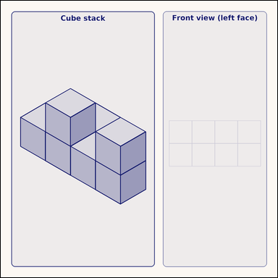 | 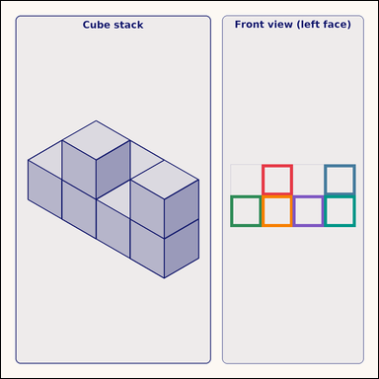 | task_geometry_solid_view_count | front_view_visible_count | The picture shows a cube stack on the left and one empty orthographic query grid on the right. Answer the question using the full solid-view scene. Count the occupied unit squares that belong in the Front view grid. Front view here means the left vertical face of the drawn stack. Return a valid JSON object with keys "evidence" and "answer" in that order. Evidence: set "evidence" to a JSON array of the bounding boxes of all query-grid cells that should be filled. Answer: set "answer" to the count as an integer. Example JSON: {"evidence":[[2.5,3.5,4.5,5.5],[3.5,4.5,5,6.5],[4.5,5.5,6.5,7.5],[5.5,6.5,7.5,8.5],[6.5,7.5,8.5,9.5],[7.5,8.5,9,10.5]],"answer":8} | The picture shows a cube stack on the left and one empty orthographic query grid on the right. Answer the question using the full solid-view scene. Count the occupied unit squares that belong in the Front view grid. Front view here means the left vertical face of the drawn stack. Return a valid JSON object with key "answer". Answer requirement: set "answer" to the count as an integer. Example JSON: {"answer":8} | {"evidence": [[506.125, 317.125, 566.75, 377.75], [627.375, 317.125, 688.0, 377.75], [445.5, 377.75, 506.125, 438.375], [506.125, 377.75, 566.75, 438.375], [566.75, 377.75, 627.375, 438.375], [627.375, 377.75, 688.0, 438.375]], "answer": 6} | [[506.125, 317.125, 566.75, 377.75], [627.375, 317.125, 688.0, 377.75], [445.5, 377.75, 506.125, 438.375], [506.125, 377.75, 566.75, 438.375], [566.75, 377.75, 627.375, 438.375], [627.375, 377.75, 688.0, 438.375]] | integer | bbox_set | 1.4055586627E+15 | geometry/task_geometry_solid_view_count/images/front_view_visible_count/0009.png | geometry/task_geometry_solid_view_count/data/front_view_visible_count/0009.json
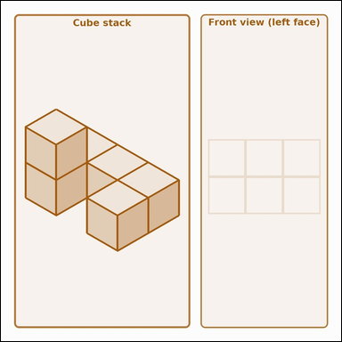 | 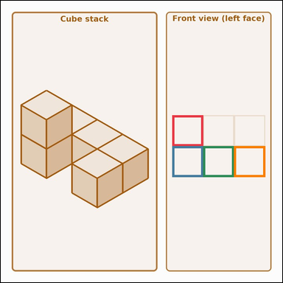 | task_geometry_solid_view_count | front_view_visible_count | Work from the solid-view picture showing a cube stack on the left and one empty orthographic query grid on the right. Determine the answer from the solid-view scene. How many unit cells would be occupied in the Front view grid, where Front view means the left vertical face of the drawn stack? Return a valid JSON object with keys "evidence" and "answer" in that order. Evidence rule: set "evidence" to a JSON array of the bounding boxes of all query-grid cells that should be filled. Answer rule: set "answer" to the count as an integer. Example JSON: {"evidence":[[2,3.5,4.5,5.5],[3,4.5,5.5,6.5],[4.5,5.5,6.5,7.5],[5.5,6.5,7,8.5]],"answer":8} | Work from the solid-view picture showing a cube stack on the left and one empty orthographic query grid on the right. Determine the answer from the solid-view scene. How many unit cells would be occupied in the Front view grid, where Front view means the left vertical face of the drawn stack? Return a valid JSON object with key "answer". Answer: set "answer" to the count as an integer. Example JSON: {"answer":8} | {"evidence": [[439.0, 293.167, 518.333, 372.5], [439.0, 372.5, 518.333, 451.833], [518.333, 372.5, 597.667, 451.833], [597.667, 372.5, 677.0, 451.833]], "answer": 4} | [[439.0, 293.167, 518.333, 372.5], [439.0, 372.5, 518.333, 451.833], [518.333, 372.5, 597.667, 451.833], [597.667, 372.5, 677.0, 451.833]] | integer | bbox_set | 1.7594846232E+15 | geometry/task_geometry_solid_view_count/images/front_view_visible_count/0007.png | geometry/task_geometry_solid_view_count/data/front_view_visible_count/0007.json
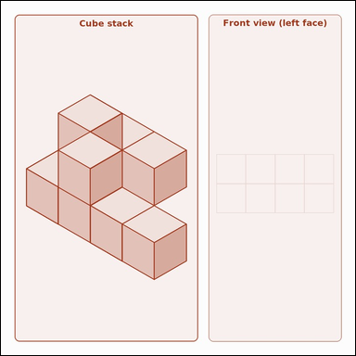 | 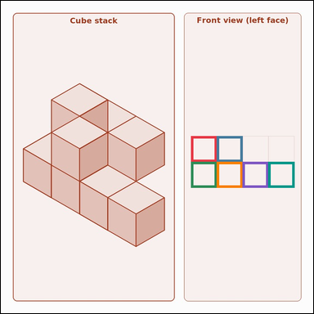 | task_geometry_solid_view_count | front_view_visible_count | Use the solid-view scene with a cube stack on the left and one empty orthographic query grid on the right. Work from the full cube-stack scene to answer the question. If you look from the front — straight at the left vertical face of the stack as drawn — how many query-grid cells should be filled? Return a valid JSON object with keys "evidence" and "answer" in that order. Evidence: set "evidence" to a JSON array of the bounding boxes of all query-grid cells that should be filled. Answer: set "answer" to the count as an integer. Example JSON: {"evidence":[[2,3.5,4.5,5.5],[3.5,4.5,5.5,6.5],[4,5.5,6.5,7.5],[5.5,6.5,7.5,8.5],[6.5,7.5,8.5,9.5],[7.5,8.5,9,10.5]],"answer":8} | Use the solid-view scene with a cube stack on the left and one empty orthographic query grid on the right. Work from the full cube-stack scene to answer the question. If you look from the front — straight at the left vertical face of the stack as drawn — how many query-grid cells should be filled? Return a valid JSON object with key "answer". Answer requirement: set "answer" to the count as an integer. Example JSON: {"answer":8} | {"evidence": [[443.0, 315.25, 503.25, 375.5], [503.25, 315.25, 563.5, 375.5], [443.0, 375.5, 503.25, 435.75], [503.25, 375.5, 563.5, 435.75], [563.5, 375.5, 623.75, 435.75], [623.75, 375.5, 684.0, 435.75]], "answer": 6} | [[443.0, 315.25, 503.25, 375.5], [503.25, 315.25, 563.5, 375.5], [443.0, 375.5, 503.25, 435.75], [503.25, 375.5, 563.5, 435.75], [563.5, 375.5, 623.75, 435.75], [623.75, 375.5, 684.0, 435.75]] | integer | bbox_set | 1.8790793157E+15 | geometry/task_geometry_solid_view_count/images/front_view_visible_count/0004.png | geometry/task_geometry_solid_view_count/data/front_view_visible_count/0004.json
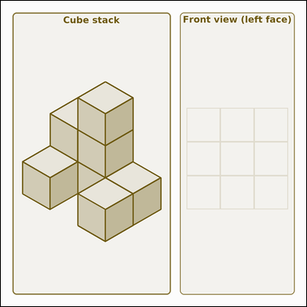 | 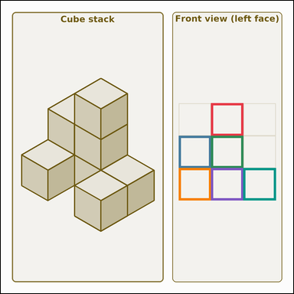 | task_geometry_solid_view_count | front_view_visible_count | You are given a solid-view scene with a cube stack on the left and one empty orthographic query grid on the right. Work from the full cube-stack scene to answer the question. If you look from the front — straight at the left vertical face of the stack as drawn — how many query-grid cells should be filled? Return a valid JSON object with keys "evidence" and "answer" in that order. Evidence format: set "evidence" to a JSON array of the bounding boxes of all query-grid cells that should be filled. Answer requirement: set "answer" to the count as an integer. Example JSON: {"evidence":[[2.5,3.5,4.5,5.5],[3,4.5,5.5,6.5],[4.5,5.5,6.5,7.5],[5,6.5,7.5,8.5],[6.5,7.5,8.5,9.5],[7.5,8.5,9,10.5]],"answer":8} | You are given a solid-view scene with a cube stack on the left and one empty orthographic query grid on the right. Work from the full cube-stack scene to answer the question. If you look from the front — straight at the left vertical face of the stack as drawn — how many query-grid cells should be filled? Return a valid JSON object with key "answer". Answer format: set "answer" to the count as an integer. Example JSON: {"answer":8} | {"evidence": [[528.333, 257.875, 609.667, 339.208], [447.0, 339.208, 528.333, 420.542], [528.333, 339.208, 609.667, 420.542], [447.0, 420.542, 528.333, 501.875], [528.333, 420.542, 609.667, 501.875], [609.667, 420.542, 691.0, 501.875]], "answer": 6} | [[528.333, 257.875, 609.667, 339.208], [447.0, 339.208, 528.333, 420.542], [528.333, 339.208, 609.667, 420.542], [447.0, 420.542, 528.333, 501.875], [528.333, 420.542, 609.667, 501.875], [609.667, 420.542, 691.0, 501.875]] | integer | bbox_set | 1.9814914731E+15 | geometry/task_geometry_solid_view_count/images/front_view_visible_count/0008.png | geometry/task_geometry_solid_view_count/data/front_view_visible_count/0008.json
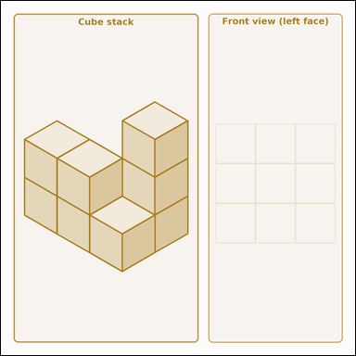 | 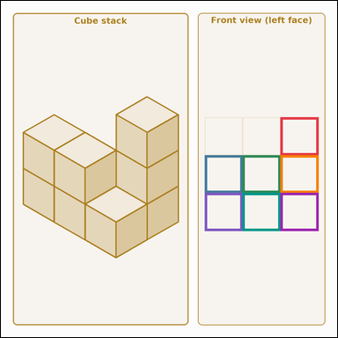 | task_geometry_solid_view_count | front_view_visible_count | Look at the solid-view scene showing a cube stack on the left and one empty orthographic query grid on the right. Use the cube stack and the query grid to answer the question. How many unit cells would be occupied in the Front view grid, where Front view means the left vertical face of the drawn stack? Return a valid JSON object with keys "evidence" and "answer" in that order. Evidence field: set "evidence" to a JSON array of the bounding boxes of all query-grid cells that should be filled. Answer field: set "answer" to the count as an integer. Example JSON: {"evidence":[[2.5,3.5,4,5.5],[3,4.5,5.5,6.5],[4.5,5.5,6.5,7.5],[5.5,6.5,7,8.5],[6,7.5,8.5,9.5],[7.5,8.5,9.5,10.5],[8.5,9.5,10,11.5]],"answer":8} | Look at the solid-view scene showing a cube stack on the left and one empty orthographic query grid on the right. Use the cube stack and the query grid to answer the question. How many unit cells would be occupied in the Front view grid, where Front view means the left vertical face of the drawn stack? Return a valid JSON object with key "answer". Answer: set "answer" to the count as an integer. Example JSON: {"answer":8} | {"evidence": [[654.333, 272.5, 743.0, 361.167], [477.0, 361.167, 565.667, 449.833], [565.667, 361.167, 654.333, 449.833], [654.333, 361.167, 743.0, 449.833], [477.0, 449.833, 565.667, 538.5], [565.667, 449.833, 654.333, 538.5], [654.333, 449.833, 743.0, 538.5]], "answer": 7} | [[654.333, 272.5, 743.0, 361.167], [477.0, 361.167, 565.667, 449.833], [565.667, 361.167, 654.333, 449.833], [654.333, 361.167, 743.0, 449.833], [477.0, 449.833, 565.667, 538.5], [565.667, 449.833, 654.333, 538.5], [654.333, 449.833, 743.0, 538.5]] | integer | bbox_set | 4.0208146818E+15 | geometry/task_geometry_solid_view_count/images/front_view_visible_count/0002.png | geometry/task_geometry_solid_view_count/data/front_view_visible_count/0002.json
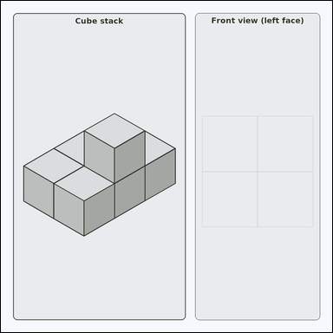 | 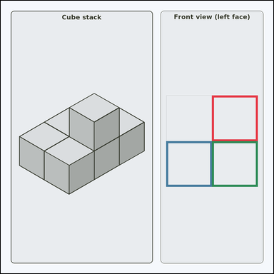 | task_geometry_solid_view_count | front_view_visible_count | Work from the solid-view picture showing a cube stack on the left and one empty orthographic query grid on the right. Answer the question using the full solid-view scene. Using the cube stack, how many cells should be filled in the Front view panel? Treat Front view as looking straight at the left vertical face. Return a valid JSON object with keys "evidence" and "answer" in that order. Evidence requirement: set "evidence" to a JSON array of the bounding boxes of all query-grid cells that should be filled. Answer format: set "answer" to the count as an integer. Example JSON: {"evidence":[[2.5,3.5,4,5],[3.5,4,5.5,6.5],[4.5,5,6,7.5]],"answer":8} | Work from the solid-view picture showing a cube stack on the left and one empty orthographic query grid on the right. Answer the question using the full solid-view scene. Using the cube stack, how many cells should be filled in the Front view panel? Treat Front view as looking straight at the left vertical face. Return a valid JSON object with key "answer". Answer: set "answer" to the count as an integer. Example JSON: {"answer":8} | {"evidence": [[591.25, 265.25, 719.0, 393.0], [463.5, 393.0, 591.25, 520.75], [591.25, 393.0, 719.0, 520.75]], "answer": 3} | [[591.25, 265.25, 719.0, 393.0], [463.5, 393.0, 591.25, 520.75], [591.25, 393.0, 719.0, 520.75]] | integer | bbox_set | 6.0031295356E+15 | geometry/task_geometry_solid_view_count/images/front_view_visible_count/0001.png | geometry/task_geometry_solid_view_count/data/front_view_visible_count/0001.json
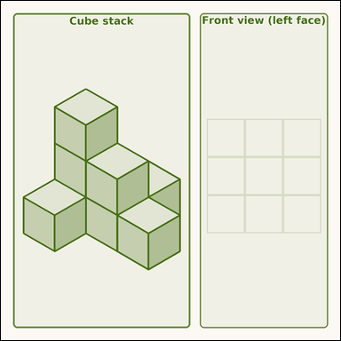 | 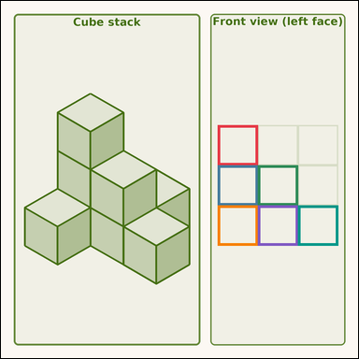 | task_geometry_solid_view_count | front_view_visible_count | You are given a solid-view scene with a cube stack on the left and one empty orthographic query grid on the right. Answer the question using the full solid-view scene. How many unit cells would be occupied in the Front view grid, where Front view means the left vertical face of the drawn stack? Return a valid JSON object with keys "evidence" and "answer" in that order. Evidence field: set "evidence" to a JSON array of the bounding boxes of all query-grid cells that should be filled. Answer field: set "answer" to the count as an integer. Example JSON: {"evidence":[[2,3.5,4,5.5],[3,4.5,5,6.5],[4,5.5,6,7.5],[5,6.5,7,8.5],[6,7.5,8,9.5],[7,8.5,9,10.5]],"answer":8} | You are given a solid-view scene with a cube stack on the left and one empty orthographic query grid on the right. Answer the question using the full solid-view scene. How many unit cells would be occupied in the Front view grid, where Front view means the left vertical face of the drawn stack? Return a valid JSON object with key "answer". Answer format: set "answer" to the count as an integer. Example JSON: {"answer":8} | {"evidence": [[475.0, 272.375, 563.0, 360.375], [475.0, 360.375, 563.0, 448.375], [563.0, 360.375, 651.0, 448.375], [475.0, 448.375, 563.0, 536.375], [563.0, 448.375, 651.0, 536.375], [651.0, 448.375, 739.0, 536.375]], "answer": 6} | [[475.0, 272.375, 563.0, 360.375], [475.0, 360.375, 563.0, 448.375], [563.0, 360.375, 651.0, 448.375], [475.0, 448.375, 563.0, 536.375], [563.0, 448.375, 651.0, 536.375], [651.0, 448.375, 739.0, 536.375]] | integer | bbox_set | 7.1860953148E+15 | geometry/task_geometry_solid_view_count/images/front_view_visible_count/0003.png | geometry/task_geometry_solid_view_count/data/front_view_visible_count/0003.json
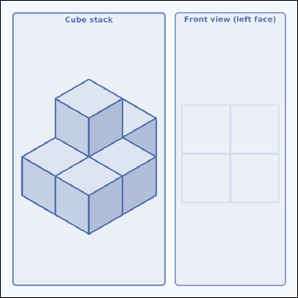 | 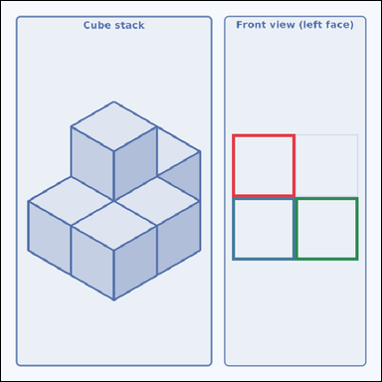 | task_geometry_solid_view_count | front_view_visible_count | Look at the solid-view scene showing a cube stack on the left and one empty orthographic query grid on the right. Read the cube stack carefully, then answer the question. Count the occupied unit squares that belong in the Front view grid. Front view here means the left vertical face of the drawn stack. Return a valid JSON object with keys "evidence" and "answer" in that order. Evidence: set "evidence" to a JSON array of the bounding boxes of all query-grid cells that should be filled. Answer: set "answer" to the count as an integer. Example JSON: {"evidence":[[2.5,3.5,4.5,5.5],[3.5,4.5,5.5,6],[4.5,5.5,6,7]],"answer":8} | Look at the solid-view scene showing a cube stack on the left and one empty orthographic query grid on the right. Read the cube stack carefully, then answer the question. Count the occupied unit squares that belong in the Front view grid. Front view here means the left vertical face of the drawn stack. Return a valid JSON object with key "answer". Answer format: set "answer" to the count as an integer. Example JSON: {"answer":8} | {"evidence": [[443.5, 255.5, 564.25, 376.25], [443.5, 376.25, 564.25, 497.0], [564.25, 376.25, 685.0, 497.0]], "answer": 3} | [[443.5, 255.5, 564.25, 376.25], [443.5, 376.25, 564.25, 497.0], [564.25, 376.25, 685.0, 497.0]] | integer | bbox_set | 7.508375626E+15 | geometry/task_geometry_solid_view_count/images/front_view_visible_count/0000.png | geometry/task_geometry_solid_view_count/data/front_view_visible_count/0000.json
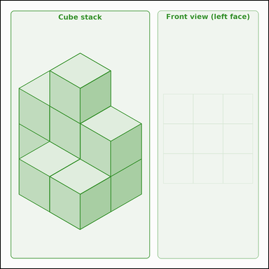 | 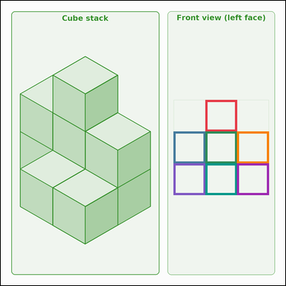 | task_geometry_solid_view_count | front_view_visible_count | You are given a solid-view scene with a cube stack on the left and one empty orthographic query grid on the right. Determine the answer from the solid-view scene. Count the occupied unit squares that belong in the Front view grid. Front view here means the left vertical face of the drawn stack. Return a valid JSON object with keys "evidence" and "answer" in that order. Evidence: set "evidence" to a JSON array of the bounding boxes of all query-grid cells that should be filled. Answer: set "answer" to the count as an integer. Example JSON: {"evidence":[[2,3.5,4.5,5.5],[3.5,4.5,5,6.5],[4,5.5,6.5,7.5],[5.5,6.5,7,8.5],[6.5,7.5,8,9.5],[7,8.5,9.5,10.5],[8.5,9.5,10,11.5]],"answer":8} | You are given a solid-view scene with a cube stack on the left and one empty orthographic query grid on the right. Determine the answer from the solid-view scene. Count the occupied unit squares that belong in the Front view grid. Front view here means the left vertical face of the drawn stack. Return a valid JSON object with key "answer". Answer: set "answer" to the count as an integer. Example JSON: {"answer":8} | {"evidence": [[545.0, 264.25, 629.5, 348.75], [460.5, 348.75, 545.0, 433.25], [545.0, 348.75, 629.5, 433.25], [629.5, 348.75, 714.0, 433.25], [460.5, 433.25, 545.0, 517.75], [545.0, 433.25, 629.5, 517.75], [629.5, 433.25, 714.0, 517.75]], "answer": 7} | [[545.0, 264.25, 629.5, 348.75], [460.5, 348.75, 545.0, 433.25], [545.0, 348.75, 629.5, 433.25], [629.5, 348.75, 714.0, 433.25], [460.5, 433.25, 545.0, 517.75], [545.0, 433.25, 629.5, 517.75], [629.5, 433.25, 714.0, 517.75]] | integer | bbox_set | 7.8555196828E+15 | geometry/task_geometry_solid_view_count/images/front_view_visible_count/0005.png | geometry/task_geometry_solid_view_count/data/front_view_visible_count/0005.json
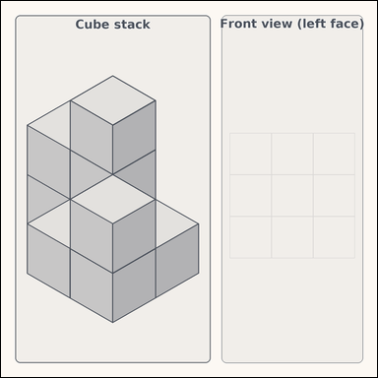 | 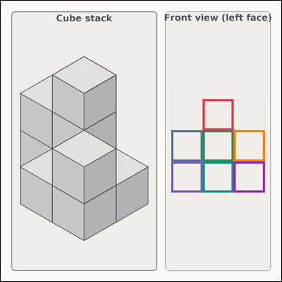 | task_geometry_solid_view_count | front_view_visible_count | Look at the solid-view scene showing a cube stack on the left and one empty orthographic query grid on the right. Read the cube stack carefully, then answer the question. Count the occupied unit squares that belong in the Front view grid. Front view here means the left vertical face of the drawn stack. Return a valid JSON object with keys "evidence" and "answer" in that order. Evidence requirement: set "evidence" to a JSON array of the bounding boxes of all query-grid cells that should be filled. Answer format: set "answer" to the count as an integer. Example JSON: {"evidence":[[2,3.5,4.5,5.5],[3.5,4.5,5,6.5],[4,5.5,6.5,7.5],[5.5,6.5,7,8.5],[6.5,7.5,8,9.5],[7,8.5,9.5,10.5],[8.5,9.5,10,11.5]],"answer":8} | Look at the solid-view scene showing a cube stack on the left and one empty orthographic query grid on the right. Read the cube stack carefully, then answer the question. Count the occupied unit squares that belong in the Front view grid. Front view here means the left vertical face of the drawn stack. Return a valid JSON object with key "answer". Answer rule: set "answer" to the count as an integer. Example JSON: {"answer":8} | {"evidence": [[535.0, 261.125, 617.5, 343.625], [452.5, 343.625, 535.0, 426.125], [535.0, 343.625, 617.5, 426.125], [617.5, 343.625, 700.0, 426.125], [452.5, 426.125, 535.0, 508.625], [535.0, 426.125, 617.5, 508.625], [617.5, 426.125, 700.0, 508.625]], "answer": 7} | [[535.0, 261.125, 617.5, 343.625], [452.5, 343.625, 535.0, 426.125], [535.0, 343.625, 617.5, 426.125], [617.5, 343.625, 700.0, 426.125], [452.5, 426.125, 535.0, 508.625], [535.0, 426.125, 617.5, 508.625], [617.5, 426.125, 700.0, 508.625]] | integer | bbox_set | 8.9056597482E+15 | geometry/task_geometry_solid_view_count/images/front_view_visible_count/0006.png | geometry/task_geometry_solid_view_count/data/front_view_visible_count/0006.json

right_view_visible_count
image | evidence_image | task | task_variant | prompt | prompt_answer_only | answer | answer_evidence | answer_type | evidence_type | instance_seed | image_path | data_path
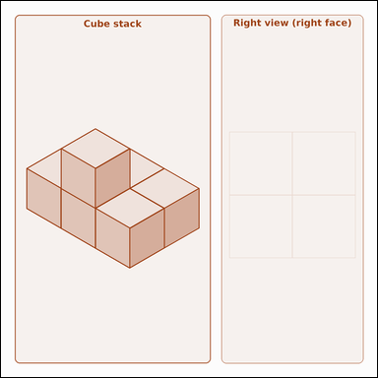 | 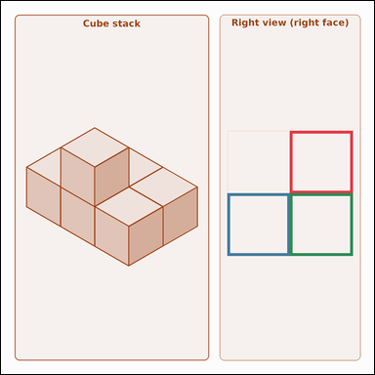 | task_geometry_solid_view_count | right_view_visible_count | The picture shows a cube stack on the left and one empty orthographic query grid on the right. Answer the question using the full solid-view scene. How many unit cells would be occupied in the Right view grid, where Right view means the right vertical face of the drawn stack? Return a valid JSON object with keys "evidence" and "answer" in that order. Evidence rule: set "evidence" to a JSON array of the bounding boxes of all query-grid cells that should be filled. Answer rule: set "answer" to the count as an integer. Example JSON: {"evidence":[[2.5,3.5,4,5.5],[3.5,4.5,5.5,6.5],[4.5,5.5,6,7.5]],"answer":8} | The picture shows a cube stack on the left and one empty orthographic query grid on the right. Answer the question using the full solid-view scene. How many unit cells would be occupied in the Right view grid, where Right view means the right vertical face of the drawn stack? Return a valid JSON object with key "answer". Answer requirement: set "answer" to the count as an integer. Example JSON: {"answer":8} | {"evidence": [[592.75, 266.375, 721.0, 394.625], [464.5, 394.625, 592.75, 522.875], [592.75, 394.625, 721.0, 522.875]], "answer": 3} | [[592.75, 266.375, 721.0, 394.625], [464.5, 394.625, 592.75, 522.875], [592.75, 394.625, 721.0, 522.875]] | integer | bbox_set | 411709032041323 | geometry/task_geometry_solid_view_count/images/right_view_visible_count/0006.png | geometry/task_geometry_solid_view_count/data/right_view_visible_count/0006.json
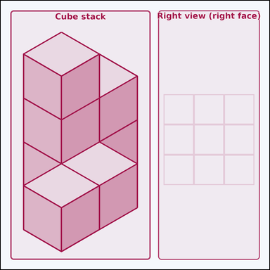 | 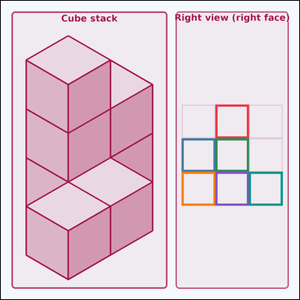 | task_geometry_solid_view_count | right_view_visible_count | Use the solid-view scene with a cube stack on the left and one empty orthographic query grid on the right. Read the cube stack carefully, then answer the question. If you look from the right side — straight at the right vertical face of the stack as drawn — how many query-grid cells should be filled? Return a valid JSON object with keys "evidence" and "answer" in that order. Evidence: set "evidence" to a JSON array of the bounding boxes of all query-grid cells that should be filled. Answer: set "answer" to the count as an integer. Example JSON: {"evidence":[[2,3.5,4.5,5],[3.5,4,5,6.5],[4,5,6.5,7.5],[5.5,6.5,7,8],[6,7.5,8.5,9],[7.5,8.5,9,10]],"answer":8} | Use the solid-view scene with a cube stack on the left and one empty orthographic query grid on the right. Read the cube stack carefully, then answer the question. If you look from the right side — straight at the right vertical face of the stack as drawn — how many query-grid cells should be filled? Return a valid JSON object with key "answer". Answer rule: set "answer" to the count as an integer. Example JSON: {"answer":8} | {"evidence": [[565.0, 273.5, 653.5, 362.0], [476.5, 362.0, 565.0, 450.5], [565.0, 362.0, 653.5, 450.5], [476.5, 450.5, 565.0, 539.0], [565.0, 450.5, 653.5, 539.0], [653.5, 450.5, 742.0, 539.0]], "answer": 6} | [[565.0, 273.5, 653.5, 362.0], [476.5, 362.0, 565.0, 450.5], [565.0, 362.0, 653.5, 450.5], [476.5, 450.5, 565.0, 539.0], [565.0, 450.5, 653.5, 539.0], [653.5, 450.5, 742.0, 539.0]] | integer | bbox_set | 1.1749097484E+15 | geometry/task_geometry_solid_view_count/images/right_view_visible_count/0001.png | geometry/task_geometry_solid_view_count/data/right_view_visible_count/0001.json
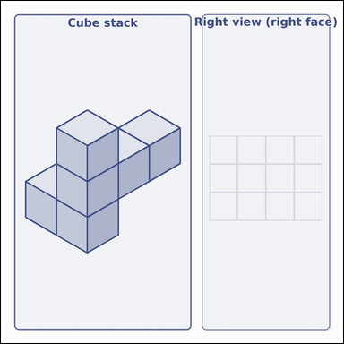 | 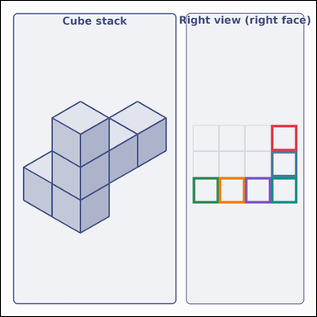 | task_geometry_solid_view_count | right_view_visible_count | Use the solid-view scene with a cube stack on the left and one empty orthographic query grid on the right. Determine the answer from the solid-view scene. Using the cube stack, how many cells should be filled in the Right view panel? Treat Right view as looking straight at the right vertical face. Return a valid JSON object with keys "evidence" and "answer" in that order. Evidence requirement: set "evidence" to a JSON array of the bounding boxes of all query-grid cells that should be filled. Answer format: set "answer" to the count as an integer. Example JSON: {"evidence":[[2.5,3.5,4,5.5],[3.5,4.5,5,6.5],[4.5,5.5,6.5,7.5],[5.5,6.5,7.5,8.5],[6.5,7.5,8.5,9.5],[7.5,8.5,9,10.5]],"answer":8} | Use the solid-view scene with a cube stack on the left and one empty orthographic query grid on the right. Determine the answer from the solid-view scene. Using the cube stack, how many cells should be filled in the Right view panel? Treat Right view as looking straight at the right vertical face. Return a valid JSON object with key "answer". Answer rule: set "answer" to the count as an integer. Example JSON: {"answer":8} | {"evidence": [[621.125, 285.938, 681.0, 345.812], [621.125, 345.812, 681.0, 405.688], [441.5, 405.688, 501.375, 465.562], [501.375, 405.688, 561.25, 465.562], [561.25, 405.688, 621.125, 465.562], [621.125, 405.688, 681.0, 465.562]], "answer": 6} | [[621.125, 285.938, 681.0, 345.812], [621.125, 345.812, 681.0, 405.688], [441.5, 405.688, 501.375, 465.562], [501.375, 405.688, 561.25, 465.562], [561.25, 405.688, 621.125, 465.562], [621.125, 405.688, 681.0, 465.562]] | integer | bbox_set | 2.1869456946E+15 | geometry/task_geometry_solid_view_count/images/right_view_visible_count/0008.png | geometry/task_geometry_solid_view_count/data/right_view_visible_count/0008.json
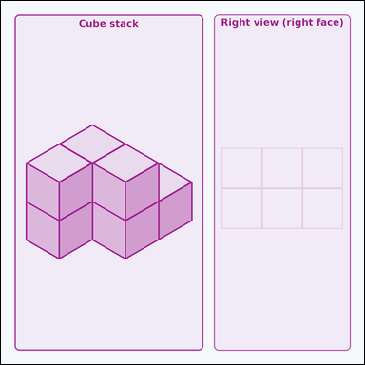 | 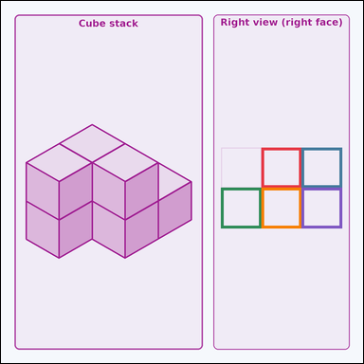 | task_geometry_solid_view_count | right_view_visible_count | Work from the solid-view picture showing a cube stack on the left and one empty orthographic query grid on the right. Answer the question using the full solid-view scene. If you look from the right side — straight at the right vertical face of the stack as drawn — how many query-grid cells should be filled? Return a valid JSON object with keys "evidence" and "answer" in that order. Evidence: set "evidence" to a JSON array of the bounding boxes of all query-grid cells that should be filled. Answer: set "answer" to the count as an integer. Example JSON: {"evidence":[[2,3.5,4.5,5.5],[3.5,4.5,5,6.5],[4.5,5.5,6,7.5],[5,6.5,7.5,8.5],[6.5,7.5,8,9.5]],"answer":8} | Work from the solid-view picture showing a cube stack on the left and one empty orthographic query grid on the right. Answer the question using the full solid-view scene. If you look from the right side — straight at the right vertical face of the stack as drawn — how many query-grid cells should be filled? Return a valid JSON object with key "answer". Answer rule: set "answer" to the count as an integer. Example JSON: {"answer":8} | {"evidence": [[540.0, 304.375, 623.5, 387.875], [623.5, 304.375, 707.0, 387.875], [456.5, 387.875, 540.0, 471.375], [540.0, 387.875, 623.5, 471.375], [623.5, 387.875, 707.0, 471.375]], "answer": 5} | [[540.0, 304.375, 623.5, 387.875], [623.5, 304.375, 707.0, 387.875], [456.5, 387.875, 540.0, 471.375], [540.0, 387.875, 623.5, 471.375], [623.5, 387.875, 707.0, 471.375]] | integer | bbox_set | 2.2650735658E+15 | geometry/task_geometry_solid_view_count/images/right_view_visible_count/0007.png | geometry/task_geometry_solid_view_count/data/right_view_visible_count/0007.json
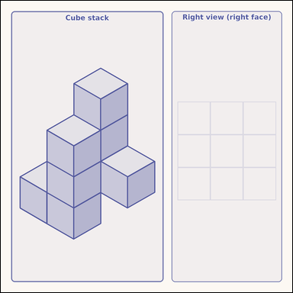 | 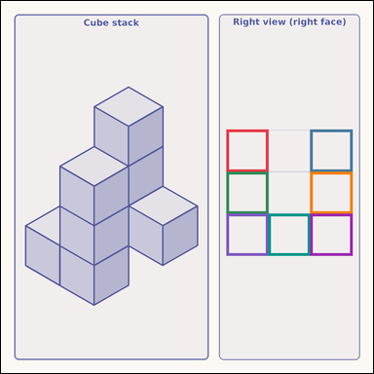 | task_geometry_solid_view_count | right_view_visible_count | You are given a solid-view scene with a cube stack on the left and one empty orthographic query grid on the right. Work from the full cube-stack scene to answer the question. Using the cube stack, how many cells should be filled in the Right view panel? Treat Right view as looking straight at the right vertical face. Return a valid JSON object with keys "evidence" and "answer" in that order. Evidence rule: set "evidence" to a JSON array of the bounding boxes of all query-grid cells that should be filled. Answer rule: set "answer" to the count as an integer. Example JSON: {"evidence":[[2.5,3.5,4.5,5.5],[3.5,4.5,5,6.5],[4.5,5.5,6.5,7.5],[5.5,6.5,7,8.5],[6.5,7.5,8.5,9.5],[7.5,8.5,9.5,10.5],[8.5,9.5,10,11.5]],"answer":8} | You are given a solid-view scene with a cube stack on the left and one empty orthographic query grid on the right. Work from the full cube-stack scene to answer the question. Using the cube stack, how many cells should be filled in the Right view panel? Treat Right view as looking straight at the right vertical face. Return a valid JSON object with key "answer". Answer rule: set "answer" to the count as an integer. Example JSON: {"answer":8} | {"evidence": [[479.5, 273.875, 568.667, 363.042], [657.833, 273.875, 747.0, 363.042], [479.5, 363.042, 568.667, 452.208], [657.833, 363.042, 747.0, 452.208], [479.5, 452.208, 568.667, 541.375], [568.667, 452.208, 657.833, 541.375], [657.833, 452.208, 747.0, 541.375]], "answer": 7} | [[479.5, 273.875, 568.667, 363.042], [657.833, 273.875, 747.0, 363.042], [479.5, 363.042, 568.667, 452.208], [657.833, 363.042, 747.0, 452.208], [479.5, 452.208, 568.667, 541.375], [568.667, 452.208, 657.833, 541.375], [657.833, 452.208, 747.0, 541.375]] | integer | bbox_set | 3.1399394535E+15 | geometry/task_geometry_solid_view_count/images/right_view_visible_count/0005.png | geometry/task_geometry_solid_view_count/data/right_view_visible_count/0005.json
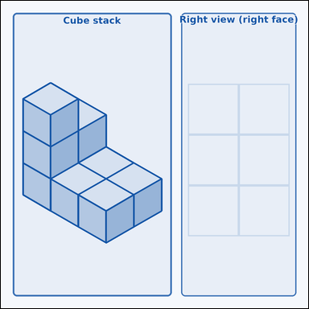 | 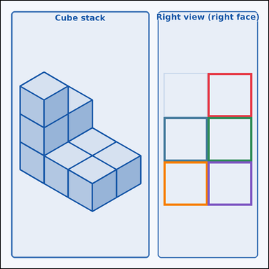 | task_geometry_solid_view_count | right_view_visible_count | You are given a solid-view scene with a cube stack on the left and one empty orthographic query grid on the right. Answer the question using the full solid-view scene. How many unit cells would be occupied in the Right view grid, where Right view means the right vertical face of the drawn stack? Return a valid JSON object with keys "evidence" and "answer" in that order. Evidence field: set "evidence" to a JSON array of the bounding boxes of all query-grid cells that should be filled. Answer field: set "answer" to the count as an integer. Example JSON: {"evidence":[[2.5,3.5,4,5.5],[3,4.5,5.5,6.5],[4.5,5.5,6,7.5],[5,6.5,7.5,8.5],[6.5,7.5,8,9.5]],"answer":8} | You are given a solid-view scene with a cube stack on the left and one empty orthographic query grid on the right. Answer the question using the full solid-view scene. How many unit cells would be occupied in the Right view grid, where Right view means the right vertical face of the drawn stack? Return a valid JSON object with key "answer". Answer format: set "answer" to the count as an integer. Example JSON: {"answer":8} | {"evidence": [[559.5, 195.125, 679.0, 314.625], [440.0, 314.625, 559.5, 434.125], [559.5, 314.625, 679.0, 434.125], [440.0, 434.125, 559.5, 553.625], [559.5, 434.125, 679.0, 553.625]], "answer": 5} | [[559.5, 195.125, 679.0, 314.625], [440.0, 314.625, 559.5, 434.125], [559.5, 314.625, 679.0, 434.125], [440.0, 434.125, 559.5, 553.625], [559.5, 434.125, 679.0, 553.625]] | integer | bbox_set | 5.1946369632E+15 | geometry/task_geometry_solid_view_count/images/right_view_visible_count/0002.png | geometry/task_geometry_solid_view_count/data/right_view_visible_count/0002.json
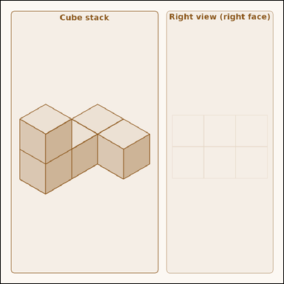 | 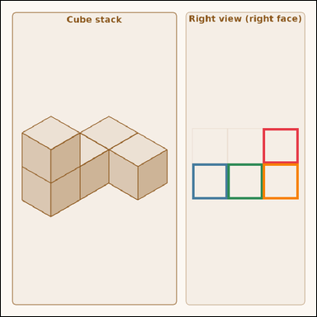 | task_geometry_solid_view_count | right_view_visible_count | Look at the solid-view scene showing a cube stack on the left and one empty orthographic query grid on the right. Answer the question using the full solid-view scene. How many unit squares should be filled in the Right view grid? Here, Right view means looking straight at the right vertical face of the drawn stack. Return a valid JSON object with keys "evidence" and "answer" in that order. Evidence: set "evidence" to a JSON array of the bounding boxes of all query-grid cells that should be filled. Answer: set "answer" to the count as an integer. Example JSON: {"evidence":[[2.5,3.5,4,5.5],[3,4.5,5.5,6.5],[4.5,5.5,6.5,7.5],[5.5,6.5,7,8.5]],"answer":8} | Look at the solid-view scene showing a cube stack on the left and one empty orthographic query grid on the right. Answer the question using the full solid-view scene. How many unit squares should be filled in the Right view grid? Here, Right view means looking straight at the right vertical face of the drawn stack. Return a valid JSON object with key "answer". Answer format: set "answer" to the count as an integer. Example JSON: {"answer":8} | {"evidence": [[646.667, 314.542, 734.0, 401.875], [472.0, 401.875, 559.333, 489.208], [559.333, 401.875, 646.667, 489.208], [646.667, 401.875, 734.0, 489.208]], "answer": 4} | [[646.667, 314.542, 734.0, 401.875], [472.0, 401.875, 559.333, 489.208], [559.333, 401.875, 646.667, 489.208], [646.667, 401.875, 734.0, 489.208]] | integer | bbox_set | 5.4754288446E+15 | geometry/task_geometry_solid_view_count/images/right_view_visible_count/0003.png | geometry/task_geometry_solid_view_count/data/right_view_visible_count/0003.json
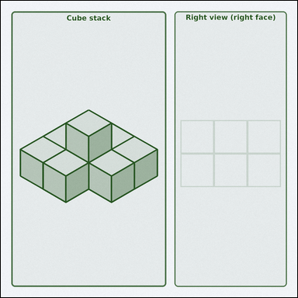 | 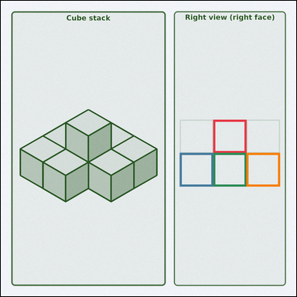 | task_geometry_solid_view_count | right_view_visible_count | Work from the solid-view picture showing a cube stack on the left and one empty orthographic query grid on the right. Determine the answer from the solid-view scene. Count the occupied unit squares that belong in the Right view grid. Right view here means the right vertical face of the drawn stack. Return a valid JSON object with keys "evidence" and "answer" in that order. Evidence format: set "evidence" to a JSON array of the bounding boxes of all query-grid cells that should be filled. Answer requirement: set "answer" to the count as an integer. Example JSON: {"evidence":[[2,3.5,4.5,5.5],[3.5,4.5,5,6.5],[4,5.5,6.5,7.5],[5.5,6.5,7,8.5]],"answer":8} | Work from the solid-view picture showing a cube stack on the left and one empty orthographic query grid on the right. Determine the answer from the solid-view scene. Count the occupied unit squares that belong in the Right view grid. Right view here means the right vertical face of the drawn stack. Return a valid JSON object with key "answer". Answer rule: set "answer" to the count as an integer. Example JSON: {"answer":8} | {"evidence": [[570.0, 319.125, 659.5, 408.625], [480.5, 408.625, 570.0, 498.125], [570.0, 408.625, 659.5, 498.125], [659.5, 408.625, 749.0, 498.125]], "answer": 4} | [[570.0, 319.125, 659.5, 408.625], [480.5, 408.625, 570.0, 498.125], [570.0, 408.625, 659.5, 498.125], [659.5, 408.625, 749.0, 498.125]] | integer | bbox_set | 7.3714121334E+15 | geometry/task_geometry_solid_view_count/images/right_view_visible_count/0009.png | geometry/task_geometry_solid_view_count/data/right_view_visible_count/0009.json
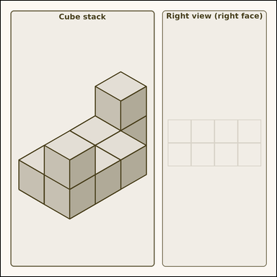 | 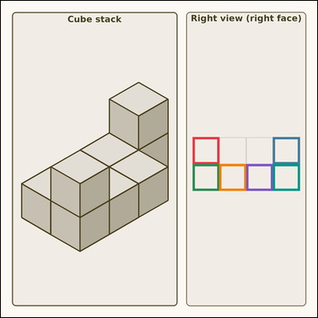 | task_geometry_solid_view_count | right_view_visible_count | The picture shows a cube stack on the left and one empty orthographic query grid on the right. Determine the answer from the solid-view scene. How many unit squares should be filled in the Right view grid? Here, Right view means looking straight at the right vertical face of the drawn stack. Return a valid JSON object with keys "evidence" and "answer" in that order. Evidence rule: set "evidence" to a JSON array of the bounding boxes of all query-grid cells that should be filled. Answer rule: set "answer" to the count as an integer. Example JSON: {"evidence":[[2,3.5,4.5,5.5],[3.5,4.5,5,6.5],[4,5.5,6.5,7.5],[5.5,6.5,7,8.5],[6,7.5,8.5,9.5],[7.5,8.5,9,10.5]],"answer":8} | The picture shows a cube stack on the left and one empty orthographic query grid on the right. Determine the answer from the solid-view scene. How many unit squares should be filled in the Right view grid? Here, Right view means looking straight at the right vertical face of the drawn stack. Return a valid JSON object with key "answer". Answer rule: set "answer" to the count as an integer. Example JSON: {"answer":8} | {"evidence": [[483.0, 343.875, 550.5, 411.375], [685.5, 343.875, 753.0, 411.375], [483.0, 411.375, 550.5, 478.875], [550.5, 411.375, 618.0, 478.875], [618.0, 411.375, 685.5, 478.875], [685.5, 411.375, 753.0, 478.875]], "answer": 6} | [[483.0, 343.875, 550.5, 411.375], [685.5, 343.875, 753.0, 411.375], [483.0, 411.375, 550.5, 478.875], [550.5, 411.375, 618.0, 478.875], [618.0, 411.375, 685.5, 478.875], [685.5, 411.375, 753.0, 478.875]] | integer | bbox_set | 8.5076743666E+15 | geometry/task_geometry_solid_view_count/images/right_view_visible_count/0004.png | geometry/task_geometry_solid_view_count/data/right_view_visible_count/0004.json
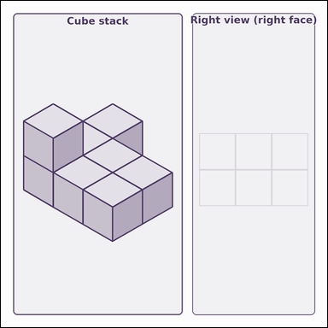 | 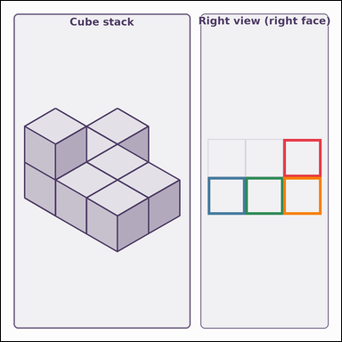 | task_geometry_solid_view_count | right_view_visible_count | Use the solid-view scene with a cube stack on the left and one empty orthographic query grid on the right. Use the cube stack and the query grid to answer the question. How many unit cells would be occupied in the Right view grid, where Right view means the right vertical face of the drawn stack? Return a valid JSON object with keys "evidence" and "answer" in that order. Evidence: set "evidence" to a JSON array of the bounding boxes of all query-grid cells that should be filled. Answer: set "answer" to the count as an integer. Example JSON: {"evidence":[[2.5,3.5,4,5.5],[3,4.5,5.5,6.5],[4.5,5.5,6.5,7.5],[5.5,6.5,7,8.5]],"answer":8} | Use the solid-view scene with a cube stack on the left and one empty orthographic query grid on the right. Use the cube stack and the query grid to answer the question. How many unit cells would be occupied in the Right view grid, where Right view means the right vertical face of the drawn stack? Return a valid JSON object with key "answer". Answer format: set "answer" to the count as an integer. Example JSON: {"answer":8} | {"evidence": [[624.333, 305.458, 708.0, 389.125], [457.0, 389.125, 540.667, 472.792], [540.667, 389.125, 624.333, 472.792], [624.333, 389.125, 708.0, 472.792]], "answer": 4} | [[624.333, 305.458, 708.0, 389.125], [457.0, 389.125, 540.667, 472.792], [540.667, 389.125, 624.333, 472.792], [624.333, 389.125, 708.0, 472.792]] | integer | bbox_set | 8.9653497495E+15 | geometry/task_geometry_solid_view_count/images/right_view_visible_count/0000.png | geometry/task_geometry_solid_view_count/data/right_view_visible_count/0000.json

top_view_visible_count
image | evidence_image | task | task_variant | prompt | prompt_answer_only | answer | answer_evidence | answer_type | evidence_type | instance_seed | image_path | data_path
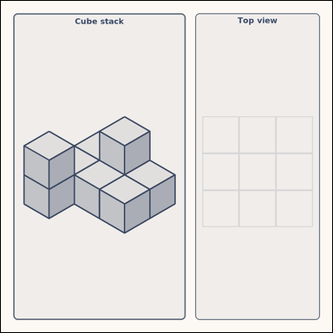 | 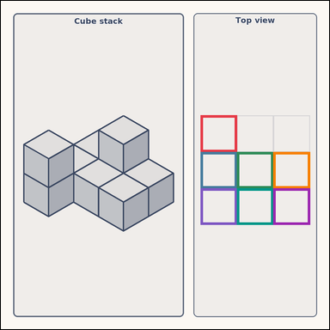 | task_geometry_solid_view_count | top_view_visible_count | You are given a solid-view scene with a cube stack on the left and one empty orthographic query grid on the right. Read the cube stack carefully, then answer the question. Count the occupied unit squares that belong in the Top view grid. Return a valid JSON object with keys "evidence" and "answer" in that order. Evidence rule: set "evidence" to a JSON array of the bounding boxes of all query-grid cells that should be filled. Answer rule: set "answer" to the count as an integer. Example JSON: {"evidence":[[2,3.5,4.5,5.5],[3,4.5,5.5,6.5],[4.5,5.5,6.5,7.5],[5.5,6.5,7,8.5],[6,7.5,8.5,9.5],[7.5,8.5,9.5,10.5],[8.5,9.5,10,11.5]],"answer":8} | You are given a solid-view scene with a cube stack on the left and one empty orthographic query grid on the right. Read the cube stack carefully, then answer the question. Count the occupied unit squares that belong in the Top view grid. Return a valid JSON object with key "answer". Answer field: set "answer" to the count as an integer. Example JSON: {"answer":8} | {"evidence": [[456.0, 261.875, 539.333, 345.208], [456.0, 345.208, 539.333, 428.542], [539.333, 345.208, 622.667, 428.542], [622.667, 345.208, 706.0, 428.542], [456.0, 428.542, 539.333, 511.875], [539.333, 428.542, 622.667, 511.875], [622.667, 428.542, 706.0, 511.875]], "answer": 7} | [[456.0, 261.875, 539.333, 345.208], [456.0, 345.208, 539.333, 428.542], [539.333, 345.208, 622.667, 428.542], [622.667, 345.208, 706.0, 428.542], [456.0, 428.542, 539.333, 511.875], [539.333, 428.542, 622.667, 511.875], [622.667, 428.542, 706.0, 511.875]] | integer | bbox_set | 876410785459937 | geometry/task_geometry_solid_view_count/images/top_view_visible_count/0004.png | geometry/task_geometry_solid_view_count/data/top_view_visible_count/0004.json
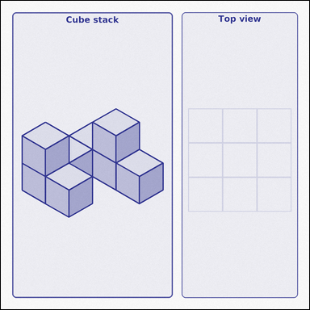 | 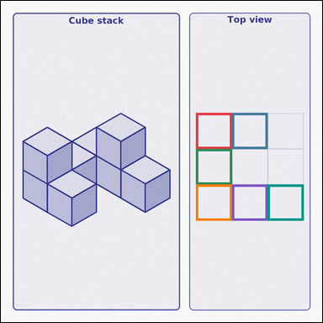 | task_geometry_solid_view_count | top_view_visible_count | Look at the solid-view scene showing a cube stack on the left and one empty orthographic query grid on the right. Use the cube stack and the query grid to answer the question. Count the occupied unit squares that belong in the Top view grid. Return a valid JSON object with keys "evidence" and "answer" in that order. Evidence rule: set "evidence" to a JSON array of the bounding boxes of all query-grid cells that should be filled. Answer rule: set "answer" to the count as an integer. Example JSON: {"evidence":[[2.5,3.5,4,5.5],[3,4.5,5.5,6.5],[4.5,5.5,6,7.5],[5.5,6.5,7,8.5],[6,7.5,8.5,9.5],[7.5,8.5,9,10.5]],"answer":8} | Look at the solid-view scene showing a cube stack on the left and one empty orthographic query grid on the right. Use the cube stack and the query grid to answer the question. Count the occupied unit squares that belong in the Top view grid. Return a valid JSON object with key "answer". Answer format: set "answer" to the count as an integer. Example JSON: {"answer":8} | {"evidence": [[460.5, 264.875, 545.0, 349.375], [545.0, 264.875, 629.5, 349.375], [460.5, 349.375, 545.0, 433.875], [460.5, 433.875, 545.0, 518.375], [545.0, 433.875, 629.5, 518.375], [629.5, 433.875, 714.0, 518.375]], "answer": 6} | [[460.5, 264.875, 545.0, 349.375], [545.0, 264.875, 629.5, 349.375], [460.5, 349.375, 545.0, 433.875], [460.5, 433.875, 545.0, 518.375], [545.0, 433.875, 629.5, 518.375], [629.5, 433.875, 714.0, 518.375]] | integer | bbox_set | 5.1695051283E+15 | geometry/task_geometry_solid_view_count/images/top_view_visible_count/0003.png | geometry/task_geometry_solid_view_count/data/top_view_visible_count/0003.json
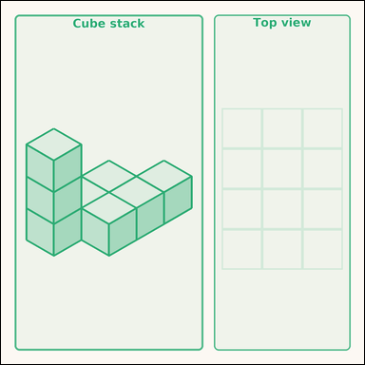 | 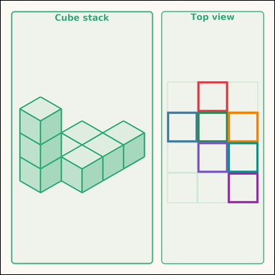 | task_geometry_solid_view_count | top_view_visible_count | You are given a solid-view scene with a cube stack on the left and one empty orthographic query grid on the right. Answer the question using the full solid-view scene. Count the occupied unit squares that belong in the Top view grid. Return a valid JSON object with keys "evidence" and "answer" in that order. Evidence format: set "evidence" to a JSON array of the bounding boxes of all query-grid cells that should be filled. Answer requirement: set "answer" to the count as an integer. Example JSON: {"evidence":[[2,3.5,4,5.5],[3,4.5,5,6.5],[4,5.5,6,7.5],[5,6.5,7,8.5],[6,7.5,8,9.5],[7,8.5,9,10.5],[8,9.5,10,11.5]],"answer":8} | You are given a solid-view scene with a cube stack on the left and one empty orthographic query grid on the right. Answer the question using the full solid-view scene. Count the occupied unit squares that belong in the Top view grid. Return a valid JSON object with key "answer". Answer format: set "answer" to the count as an integer. Example JSON: {"answer":8} | {"evidence": [[537.0, 220.75, 620.0, 303.75], [454.0, 303.75, 537.0, 386.75], [537.0, 303.75, 620.0, 386.75], [620.0, 303.75, 703.0, 386.75], [537.0, 386.75, 620.0, 469.75], [620.0, 386.75, 703.0, 469.75], [620.0, 469.75, 703.0, 552.75]], "answer": 7} | [[537.0, 220.75, 620.0, 303.75], [454.0, 303.75, 537.0, 386.75], [537.0, 303.75, 620.0, 386.75], [620.0, 303.75, 703.0, 386.75], [537.0, 386.75, 620.0, 469.75], [620.0, 386.75, 703.0, 469.75], [620.0, 469.75, 703.0, 552.75]] | integer | bbox_set | 5.1769509243E+15 | geometry/task_geometry_solid_view_count/images/top_view_visible_count/0005.png | geometry/task_geometry_solid_view_count/data/top_view_visible_count/0005.json
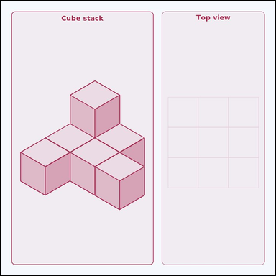 | 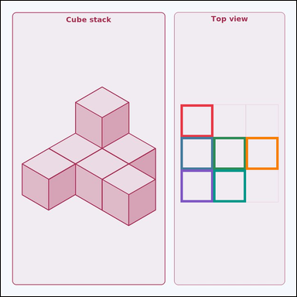 | task_geometry_solid_view_count | top_view_visible_count | The picture shows a cube stack on the left and one empty orthographic query grid on the right. Work from the full cube-stack scene to answer the question. Using the cube stack, how many cells should be filled in the Top view panel? Return a valid JSON object with keys "evidence" and "answer" in that order. Evidence requirement: set "evidence" to a JSON array of the bounding boxes of all query-grid cells that should be filled. Answer format: set "answer" to the count as an integer. Example JSON: {"evidence":[[2.5,3.5,4.5,5.5],[3.5,4.5,5.5,6.5],[4.5,5.5,6.5,7.5],[5.5,6.5,7,8.5],[6.5,7.5,8.5,9.5],[7.5,8.5,9.5,10.5]],"answer":8} | The picture shows a cube stack on the left and one empty orthographic query grid on the right. Work from the full cube-stack scene to answer the question. Using the cube stack, how many cells should be filled in the Top view panel? Return a valid JSON object with key "answer". Answer requirement: set "answer" to the count as an integer. Example JSON: {"answer":8} | {"evidence": [[441.5, 254.625, 521.333, 334.458], [441.5, 334.458, 521.333, 414.292], [521.333, 334.458, 601.167, 414.292], [601.167, 334.458, 681.0, 414.292], [441.5, 414.292, 521.333, 494.125], [521.333, 414.292, 601.167, 494.125]], "answer": 6} | [[441.5, 254.625, 521.333, 334.458], [441.5, 334.458, 521.333, 414.292], [521.333, 334.458, 601.167, 414.292], [601.167, 334.458, 681.0, 414.292], [441.5, 414.292, 521.333, 494.125], [521.333, 414.292, 601.167, 494.125]] | integer | bbox_set | 5.6776635967E+15 | geometry/task_geometry_solid_view_count/images/top_view_visible_count/0007.png | geometry/task_geometry_solid_view_count/data/top_view_visible_count/0007.json
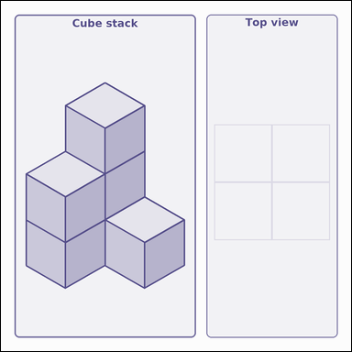 | 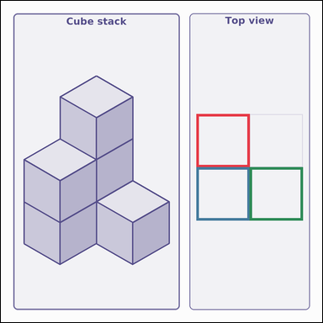 | task_geometry_solid_view_count | top_view_visible_count | Look at the solid-view scene showing a cube stack on the left and one empty orthographic query grid on the right. Read the cube stack carefully, then answer the question. How many unit squares should be filled in the Top view grid? Return a valid JSON object with keys "evidence" and "answer" in that order. Evidence format: set "evidence" to a JSON array of the bounding boxes of all query-grid cells that should be filled. Answer requirement: set "answer" to the count as an integer. Example JSON: {"evidence":[[2.5,3.5,4.5,5.5],[3.5,4.5,5.5,6],[4.5,5.5,6,7]],"answer":8} | Look at the solid-view scene showing a cube stack on the left and one empty orthographic query grid on the right. Read the cube stack carefully, then answer the question. How many unit squares should be filled in the Top view grid? Return a valid JSON object with key "answer". Answer: set "answer" to the count as an integer. Example JSON: {"answer":8} | {"evidence": [[441.5, 255.5, 561.25, 375.25], [441.5, 375.25, 561.25, 495.0], [561.25, 375.25, 681.0, 495.0]], "answer": 3} | [[441.5, 255.5, 561.25, 375.25], [441.5, 375.25, 561.25, 495.0], [561.25, 375.25, 681.0, 495.0]] | integer | bbox_set | 5.9223558584E+15 | geometry/task_geometry_solid_view_count/images/top_view_visible_count/0000.png | geometry/task_geometry_solid_view_count/data/top_view_visible_count/0000.json
 |  | task_geometry_solid_view_count | top_view_visible_count | Work from the solid-view picture showing a cube stack on the left and one empty orthographic query grid on the right. Answer the question using the full solid-view scene. Using the cube stack, how many cells should be filled in the Top view panel? Return a valid JSON object with keys "evidence" and "answer" in that order. Evidence format: set "evidence" to a JSON array of the bounding boxes of all query-grid cells that should be filled. Answer requirement: set "answer" to the count as an integer. Example JSON: {"evidence":[[2.5,3.5,4.5,5.5],[3.5,4.5,5.5,6.5],[4.5,5.5,6.5,7.5],[5.5,6.5,7,8.5],[6.5,7.5,8.5,9.5],[7.5,8.5,9,10.5]],"answer":8} | Work from the solid-view picture showing a cube stack on the left and one empty orthographic query grid on the right. Answer the question using the full solid-view scene. Using the cube stack, how many cells should be filled in the Top view panel? Return a valid JSON object with key "answer". Answer requirement: set "answer" to the count as an integer. Example JSON: {"answer":8} | {"evidence": [[553.667, 268.375, 639.833, 354.542], [467.5, 354.542, 553.667, 440.708], [553.667, 354.542, 639.833, 440.708], [639.833, 354.542, 726.0, 440.708], [553.667, 440.708, 639.833, 526.875], [639.833, 440.708, 726.0, 526.875]], "answer": 6} | [[553.667, 268.375, 639.833, 354.542], [467.5, 354.542, 553.667, 440.708], [553.667, 354.542, 639.833, 440.708], [639.833, 354.542, 726.0, 440.708], [553.667, 440.708, 639.833, 526.875], [639.833, 440.708, 726.0, 526.875]] | integer | bbox_set | 7.4084368564E+15 | geometry/task_geometry_solid_view_count/images/top_view_visible_count/0006.png | geometry/task_geometry_solid_view_count/data/top_view_visible_count/0006.json
 |  | task_geometry_solid_view_count | top_view_visible_count | The picture shows a cube stack on the left and one empty orthographic query grid on the right. Use the cube stack and the query grid to answer the question. How many unit cells would be occupied in the Top view grid? Return a valid JSON object with keys "evidence" and "answer" in that order. Evidence requirement: set "evidence" to a JSON array of the bounding boxes of all query-grid cells that should be filled. Answer format: set "answer" to the count as an integer. Example JSON: {"evidence":[[2,3.5,4,5.5],[3,4.5,5,6.5],[4,5.5,6,7.5]],"answer":8} | The picture shows a cube stack on the left and one empty orthographic query grid on the right. Use the cube stack and the query grid to answer the question. How many unit cells would be occupied in the Top view grid? Return a valid JSON object with key "answer". Answer: set "answer" to the count as an integer. Example JSON: {"answer":8} | {"evidence": [[472.0, 269.875, 603.0, 400.875], [603.0, 269.875, 734.0, 400.875], [603.0, 400.875, 734.0, 531.875]], "answer": 3} | [[472.0, 269.875, 603.0, 400.875], [603.0, 269.875, 734.0, 400.875], [603.0, 400.875, 734.0, 531.875]] | integer | bbox_set | 8.1403039529E+15 | geometry/task_geometry_solid_view_count/images/top_view_visible_count/0008.png | geometry/task_geometry_solid_view_count/data/top_view_visible_count/0008.json
 |  | task_geometry_solid_view_count | top_view_visible_count | Look at the solid-view scene showing a cube stack on the left and one empty orthographic query grid on the right. Use the cube stack and the query grid to answer the question. If you look from directly above, how many query-grid cells should be filled? Return a valid JSON object with keys "evidence" and "answer" in that order. Evidence format: set "evidence" to a JSON array of the bounding boxes of all query-grid cells that should be filled. Answer requirement: set "answer" to the count as an integer. Example JSON: {"evidence":[[2.5,3,4,5.5],[3,4.5,5.5,6],[4.5,5.5,6,7],[5,6,7.5,8.5],[6.5,7,8,9.5]],"answer":8} | Look at the solid-view scene showing a cube stack on the left and one empty orthographic query grid on the right. Use the cube stack and the query grid to answer the question. If you look from directly above, how many query-grid cells should be filled? Return a valid JSON object with key "answer". Answer: set "answer" to the count as an integer. Example JSON: {"answer":8} | {"evidence": [[601.5, 205.0, 732.0, 335.5], [471.0, 335.5, 601.5, 466.0], [601.5, 335.5, 732.0, 466.0], [471.0, 466.0, 601.5, 596.5], [601.5, 466.0, 732.0, 596.5]], "answer": 5} | [[601.5, 205.0, 732.0, 335.5], [471.0, 335.5, 601.5, 466.0], [601.5, 335.5, 732.0, 466.0], [471.0, 466.0, 601.5, 596.5], [601.5, 466.0, 732.0, 596.5]] | integer | bbox_set | 8.2439688602E+15 | geometry/task_geometry_solid_view_count/images/top_view_visible_count/0009.png | geometry/task_geometry_solid_view_count/data/top_view_visible_count/0009.json
 |  | task_geometry_solid_view_count | top_view_visible_count | Look at the solid-view scene showing a cube stack on the left and one empty orthographic query grid on the right. Work from the full cube-stack scene to answer the question. If you look from directly above, how many query-grid cells should be filled? Return a valid JSON object with keys "evidence" and "answer" in that order. Evidence field: set "evidence" to a JSON array of the bounding boxes of all query-grid cells that should be filled. Answer field: set "answer" to the count as an integer. Example JSON: {"evidence":[[2.5,3.5,4.5,5.5],[3.5,4.5,5.5,6.5],[4.5,5.5,6.5,7.5],[5.5,6.5,7.5,8.5],[6.5,7.5,8.5,9.5],[7.5,8.5,9,10.5]],"answer":8} | Look at the solid-view scene showing a cube stack on the left and one empty orthographic query grid on the right. Work from the full cube-stack scene to answer the question. If you look from directly above, how many query-grid cells should be filled? Return a valid JSON object with key "answer". Answer rule: set "answer" to the count as an integer. Example JSON: {"answer":8} | {"evidence": [[481.5, 342.625, 548.625, 409.75], [615.75, 342.625, 682.875, 409.75], [481.5, 409.75, 548.625, 476.875], [548.625, 409.75, 615.75, 476.875], [615.75, 409.75, 682.875, 476.875], [682.875, 409.75, 750.0, 476.875]], "answer": 6} | [[481.5, 342.625, 548.625, 409.75], [615.75, 342.625, 682.875, 409.75], [481.5, 409.75, 548.625, 476.875], [548.625, 409.75, 615.75, 476.875], [615.75, 409.75, 682.875, 476.875], [682.875, 409.75, 750.0, 476.875]] | integer | bbox_set | 8.3826195424E+15 | geometry/task_geometry_solid_view_count/images/top_view_visible_count/0002.png | geometry/task_geometry_solid_view_count/data/top_view_visible_count/0002.json
 |  | task_geometry_solid_view_count | top_view_visible_count | You are given a solid-view scene with a cube stack on the left and one empty orthographic query grid on the right. Determine the answer from the solid-view scene. If you look from directly above, how many query-grid cells should be filled? Return a valid JSON object with keys "evidence" and "answer" in that order. Evidence format: set "evidence" to a JSON array of the bounding boxes of all query-grid cells that should be filled. Answer requirement: set "answer" to the count as an integer. Example JSON: {"evidence":[[2,3.5,4,5.5],[3,4.5,5,6.5],[4,5.5,6,7.5]],"answer":8} | You are given a solid-view scene with a cube stack on the left and one empty orthographic query grid on the right. Determine the answer from the solid-view scene. If you look from directly above, how many query-grid cells should be filled? Return a valid JSON object with key "answer". Answer format: set "answer" to the count as an integer. Example JSON: {"answer":8} | {"evidence": [[558.0, 253.375, 677.0, 372.375], [439.0, 372.375, 558.0, 491.375], [558.0, 372.375, 677.0, 491.375]], "answer": 3} | [[558.0, 253.375, 677.0, 372.375], [439.0, 372.375, 558.0, 491.375], [558.0, 372.375, 677.0, 491.375]] | integer | bbox_set | 8.5968250897E+15 | geometry/task_geometry_solid_view_count/images/top_view_visible_count/0001.png | geometry/task_geometry_solid_view_count/data/top_view_visible_count/0001.json

