capture_move_count
image | evidence_image | task | task_variant | prompt | prompt_answer_only | answer | answer_evidence | answer_type | evidence_type | instance_seed | image_path | data_path
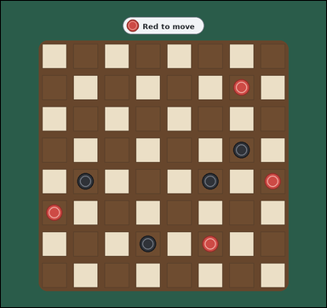 | 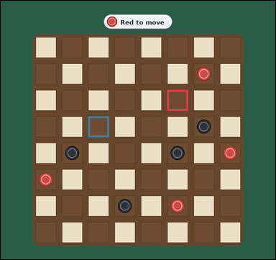 | task_games_checkers_move_count | capture_move_count | The image shows one visible 8 by 8 checkers board with red and black pieces on the dark squares. Read the board and determine the requested value. It is Red's turn. Only the dark squares are used. All shown pieces are ordinary men, not kings. Red pieces move diagonally upward toward the top edge, and Black pieces move diagonally downward toward the bottom edge. A capture jumps diagonally over one adjacent opponent piece into the empty dark square immediately beyond. Count only one move at a time and ignore any additional jumps after landing. Determine the number of legal capturing moves for Red. Answer with an integer. Return a valid JSON object with keys "evidence" and "answer" in that order. Evidence: set "evidence" to an array of bounding boxes [x1, y1, x2, y2] for every landing square of a legal capturing move for the current player. Answer: set "answer" to the number of legal capture moves for the current player. Example JSON: {"evidence":[[132,188,196,252],[204,188,268,252]],"answer":2} | The image shows one visible 8 by 8 checkers board with red and black pieces on the dark squares. Read the board and determine the requested value. It is Red's turn. Only the dark squares are used. All shown pieces are ordinary men, not kings. Red pieces move diagonally upward toward the top edge, and Black pieces move diagonally downward toward the bottom edge. A capture jumps diagonally over one adjacent opponent piece into the empty dark square immediately beyond. Count only one move at a time and ignore any additional jumps after landing. Determine the number of legal capturing moves for Red. Answer with an integer. Return a valid JSON object with key "answer". Answer format: set "answer" to the number of legal capture moves for the current player. Example JSON: {"answer":2} | {"evidence": [[594.0, 317.0, 668.0, 391.0], [312.0, 411.0, 386.0, 485.0]], "answer": 2} | [[594.0, 317.0, 668.0, 391.0], [312.0, 411.0, 386.0, 485.0]] | integer | bbox_set | 329511745588225 | games/task_games_checkers_move_count/images/capture_move_count/0008.png | games/task_games_checkers_move_count/data/capture_move_count/0008.json
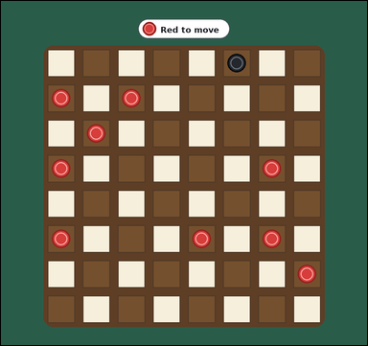 |  | task_games_checkers_move_count | capture_move_count | Use the visible checkers board state in the image. It shows one visible 8 by 8 checkers board with red and black pieces on the dark squares. Determine the requested move value from the visible board. It is Red's turn. Only the dark squares are used. All shown pieces are ordinary men, not kings. Red pieces move diagonally upward toward the top edge, and Black pieces move diagonally downward toward the bottom edge. A capture jumps diagonally over one adjacent opponent piece into the empty dark square immediately beyond. Count only one move at a time and ignore any additional jumps after landing. Count the legal captures available to Red. Answer with an integer. Return a valid JSON object with keys "evidence" and "answer" in that order. Evidence requirement: set "evidence" to an array of bounding boxes [x1, y1, x2, y2] for every landing square of a legal capturing move for the current player. Answer format: set "answer" to the number of legal capture moves for the current player. Example JSON: {"evidence":[[132,188,196,252],[204,188,268,252]],"answer":2} | Use the visible checkers board state in the image. It shows one visible 8 by 8 checkers board with red and black pieces on the dark squares. Determine the requested move value from the visible board. It is Red's turn. Only the dark squares are used. All shown pieces are ordinary men, not kings. Red pieces move diagonally upward toward the top edge, and Black pieces move diagonally downward toward the bottom edge. A capture jumps diagonally over one adjacent opponent piece into the empty dark square immediately beyond. Count only one move at a time and ignore any additional jumps after landing. Count the legal captures available to Red. Answer with an integer. Return a valid JSON object with key "answer". Answer rule: set "answer" to the number of legal capture moves for the current player. Example JSON: {"answer":2} | {"evidence": [], "answer": 0} | [] | integer | bbox_set | 459283213006817 | games/task_games_checkers_move_count/images/capture_move_count/0010.png | games/task_games_checkers_move_count/data/capture_move_count/0010.json
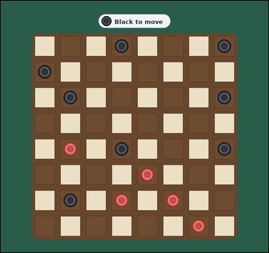 |  | task_games_checkers_move_count | capture_move_count | Work from the checkers position shown in the image: one crowded visible 8 by 8 checkers board with many red and black pieces on the dark squares. Work from the shown checkers position to answer the question. It is Black's turn. Only the dark squares are used. All shown pieces are ordinary men, not kings. Black pieces move diagonally downward toward the bottom edge, and Red pieces move diagonally upward toward the top edge. A capture jumps diagonally over one adjacent opponent piece into the empty dark square immediately beyond. Count only one move at a time and ignore any additional jumps after landing. How many legal capturing moves does Black have? Answer with an integer. Return a valid JSON object with keys "evidence" and "answer" in that order. Evidence rule: set "evidence" to an array of bounding boxes [x1, y1, x2, y2] for every landing square of a legal capturing move for the current player. Answer rule: set "answer" to the number of legal capture moves for the current player. Example JSON: {"evidence":[[132,188,196,252],[204,188,268,252]],"answer":2} | Work from the checkers position shown in the image: one crowded visible 8 by 8 checkers board with many red and black pieces on the dark squares. Work from the shown checkers position to answer the question. It is Black's turn. Only the dark squares are used. All shown pieces are ordinary men, not kings. Black pieces move diagonally downward toward the bottom edge, and Red pieces move diagonally upward toward the top edge. A capture jumps diagonally over one adjacent opponent piece into the empty dark square immediately beyond. Count only one move at a time and ignore any additional jumps after landing. How many legal capturing moves does Black have? Answer with an integer. Return a valid JSON object with key "answer". Answer requirement: set "answer" to the number of legal capture moves for the current player. Example JSON: {"answer":2} | {"evidence": [], "answer": 0} | [] | integer | bbox_set | 639163604162796 | games/task_games_checkers_move_count/images/capture_move_count/0004.png | games/task_games_checkers_move_count/data/capture_move_count/0004.json
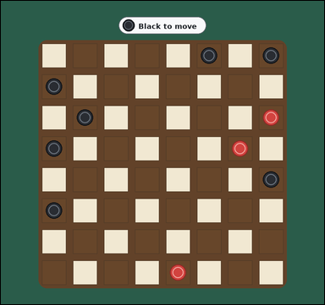 |  | task_games_checkers_move_count | capture_move_count | The image shows one visible 8 by 8 checkers board with red and black pieces on the dark squares. Work from the shown checkers position to answer the question. It is Black's turn. Only the dark squares are used. All shown pieces are ordinary men, not kings. Black pieces move diagonally downward toward the bottom edge, and Red pieces move diagonally upward toward the top edge. A capture jumps diagonally over one adjacent opponent piece into the empty dark square immediately beyond. Count only one move at a time and ignore any additional jumps after landing. Determine the number of legal capturing moves for Black. Answer with an integer. Return a valid JSON object with keys "evidence" and "answer" in that order. Evidence: set "evidence" to an array of bounding boxes [x1, y1, x2, y2] for every landing square of a legal capturing move for the current player. Answer: set "answer" to the number of legal capture moves for the current player. Example JSON: {"evidence":[[132,188,196,252],[204,188,268,252]],"answer":2} | The image shows one visible 8 by 8 checkers board with red and black pieces on the dark squares. Work from the shown checkers position to answer the question. It is Black's turn. Only the dark squares are used. All shown pieces are ordinary men, not kings. Black pieces move diagonally downward toward the bottom edge, and Red pieces move diagonally upward toward the top edge. A capture jumps diagonally over one adjacent opponent piece into the empty dark square immediately beyond. Count only one move at a time and ignore any additional jumps after landing. Determine the number of legal capturing moves for Black. Answer with an integer. Return a valid JSON object with key "answer". Answer format: set "answer" to the number of legal capture moves for the current player. Example JSON: {"answer":2} | {"evidence": [], "answer": 0} | [] | integer | bbox_set | 899327324263346 | games/task_games_checkers_move_count/images/capture_move_count/0021.png | games/task_games_checkers_move_count/data/capture_move_count/0021.json
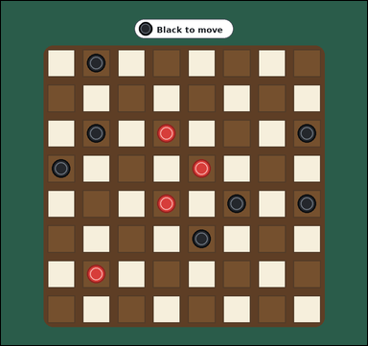 |  | task_games_checkers_move_count | capture_move_count | You are given a checkers board image with one visible 8 by 8 checkers board with red and black pieces on the dark squares. Determine the requested move value from the visible board. It is Black's turn. Only the dark squares are used. All shown pieces are ordinary men, not kings. Black pieces move diagonally downward toward the bottom edge, and Red pieces move diagonally upward toward the top edge. A capture jumps diagonally over one adjacent opponent piece into the empty dark square immediately beyond. Count only one move at a time and ignore any additional jumps after landing. Determine the number of legal capturing moves for Black. Answer with an integer. Return a valid JSON object with keys "evidence" and "answer" in that order. Evidence format: set "evidence" to an array of bounding boxes [x1, y1, x2, y2] for every landing square of a legal capturing move for the current player. Answer requirement: set "answer" to the number of legal capture moves for the current player. Example JSON: {"evidence":[[132,188,196,252],[204,188,268,252]],"answer":2} | You are given a checkers board image with one visible 8 by 8 checkers board with red and black pieces on the dark squares. Determine the requested move value from the visible board. It is Black's turn. Only the dark squares are used. All shown pieces are ordinary men, not kings. Black pieces move diagonally downward toward the bottom edge, and Red pieces move diagonally upward toward the top edge. A capture jumps diagonally over one adjacent opponent piece into the empty dark square immediately beyond. Count only one move at a time and ignore any additional jumps after landing. Determine the number of legal capturing moves for Black. Answer with an integer. Return a valid JSON object with key "answer". Answer requirement: set "answer" to the number of legal capture moves for the current player. Example JSON: {"answer":2} | {"evidence": [], "answer": 0} | [] | integer | bbox_set | 1.0866505419E+15 | games/task_games_checkers_move_count/images/capture_move_count/0018.png | games/task_games_checkers_move_count/data/capture_move_count/0018.json
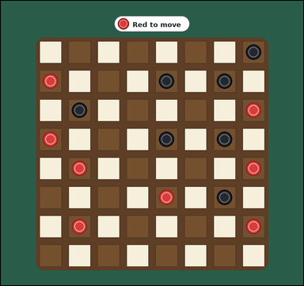 | 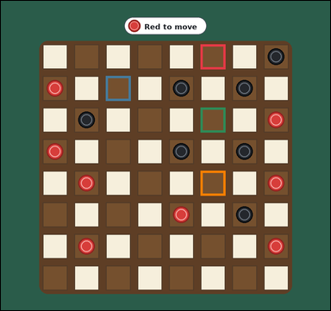 | task_games_checkers_move_count | capture_move_count | Work from the checkers position shown in the image: one crowded visible 8 by 8 checkers board with many red and black pieces on the dark squares. Determine the requested move value from the visible board. It is Red's turn. Only the dark squares are used. All shown pieces are ordinary men, not kings. Red pieces move diagonally upward toward the top edge, and Black pieces move diagonally downward toward the bottom edge. A capture jumps diagonally over one adjacent opponent piece into the empty dark square immediately beyond. Count only one move at a time and ignore any additional jumps after landing. Determine the number of legal capturing moves for Red. Answer with an integer. Return a valid JSON object with keys "evidence" and "answer" in that order. Evidence format: set "evidence" to an array of bounding boxes [x1, y1, x2, y2] for every landing square of a legal capturing move for the current player. Answer requirement: set "answer" to the number of legal capture moves for the current player. Example JSON: {"evidence":[[132,188,196,252],[204,188,268,252]],"answer":2} | Work from the checkers position shown in the image: one crowded visible 8 by 8 checkers board with many red and black pieces on the dark squares. Determine the requested move value from the visible board. It is Red's turn. Only the dark squares are used. All shown pieces are ordinary men, not kings. Red pieces move diagonally upward toward the top edge, and Black pieces move diagonally downward toward the bottom edge. A capture jumps diagonally over one adjacent opponent piece into the empty dark square immediately beyond. Count only one move at a time and ignore any additional jumps after landing. Determine the number of legal capturing moves for Red. Answer with an integer. Return a valid JSON object with key "answer". Answer requirement: set "answer" to the number of legal capture moves for the current player. Example JSON: {"answer":2} | {"evidence": [[594.0, 129.0, 668.0, 203.0], [312.0, 223.0, 386.0, 297.0], [594.0, 317.0, 668.0, 391.0], [594.0, 505.0, 668.0, 579.0]], "answer": 4} | [[594.0, 129.0, 668.0, 203.0], [312.0, 223.0, 386.0, 297.0], [594.0, 317.0, 668.0, 391.0], [594.0, 505.0, 668.0, 579.0]] | integer | bbox_set | 1.3386133402E+15 | games/task_games_checkers_move_count/images/capture_move_count/0014.png | games/task_games_checkers_move_count/data/capture_move_count/0014.json
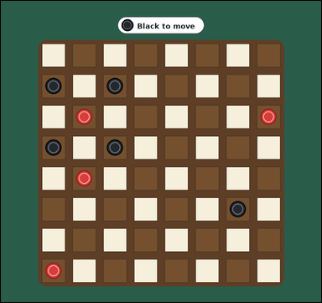 | 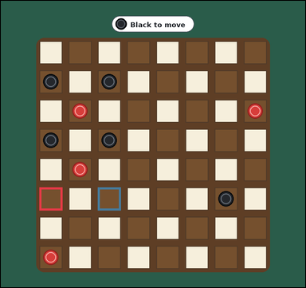 | task_games_checkers_move_count | capture_move_count | The image shows one visible 8 by 8 checkers board with red and black pieces on the dark squares. Determine the requested move value from the visible board. It is Black's turn. Only the dark squares are used. All shown pieces are ordinary men, not kings. Black pieces move diagonally downward toward the bottom edge, and Red pieces move diagonally upward toward the top edge. A capture jumps diagonally over one adjacent opponent piece into the empty dark square immediately beyond. Count only one move at a time and ignore any additional jumps after landing. Count the legal captures available to Black. Answer with an integer. Return a valid JSON object with keys "evidence" and "answer" in that order. Evidence rule: set "evidence" to an array of bounding boxes [x1, y1, x2, y2] for every landing square of a legal capturing move for the current player. Answer rule: set "answer" to the number of legal capture moves for the current player. Example JSON: {"evidence":[[132,188,196,252],[204,188,268,252]],"answer":2} | The image shows one visible 8 by 8 checkers board with red and black pieces on the dark squares. Determine the requested move value from the visible board. It is Black's turn. Only the dark squares are used. All shown pieces are ordinary men, not kings. Black pieces move diagonally downward toward the bottom edge, and Red pieces move diagonally upward toward the top edge. A capture jumps diagonally over one adjacent opponent piece into the empty dark square immediately beyond. Count only one move at a time and ignore any additional jumps after landing. Count the legal captures available to Black. Answer with an integer. Return a valid JSON object with key "answer". Answer field: set "answer" to the number of legal capture moves for the current player. Example JSON: {"answer":2} | {"evidence": [[124.0, 599.0, 198.0, 673.0], [312.0, 599.0, 386.0, 673.0]], "answer": 2} | [[124.0, 599.0, 198.0, 673.0], [312.0, 599.0, 386.0, 673.0]] | integer | bbox_set | 1.413530505E+15 | games/task_games_checkers_move_count/images/capture_move_count/0003.png | games/task_games_checkers_move_count/data/capture_move_count/0003.json
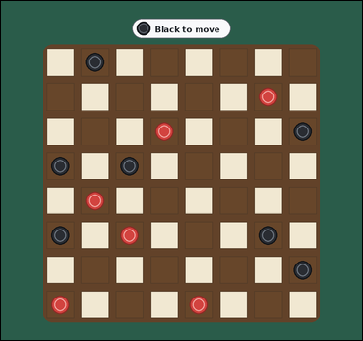 |  | task_games_checkers_move_count | capture_move_count | You are given a checkers board image with one crowded visible 8 by 8 checkers board with many red and black pieces on the dark squares. Read the board and determine the requested value. It is Black's turn. Only the dark squares are used. All shown pieces are ordinary men, not kings. Black pieces move diagonally downward toward the bottom edge, and Red pieces move diagonally upward toward the top edge. A capture jumps diagonally over one adjacent opponent piece into the empty dark square immediately beyond. Count only one move at a time and ignore any additional jumps after landing. How many legal capturing moves does Black have? Answer with an integer. Return a valid JSON object with keys "evidence" and "answer" in that order. Evidence requirement: set "evidence" to an array of bounding boxes [x1, y1, x2, y2] for every landing square of a legal capturing move for the current player. Answer format: set "answer" to the number of legal capture moves for the current player. Example JSON: {"evidence":[[132,188,196,252],[204,188,268,252]],"answer":2} | You are given a checkers board image with one crowded visible 8 by 8 checkers board with many red and black pieces on the dark squares. Read the board and determine the requested value. It is Black's turn. Only the dark squares are used. All shown pieces are ordinary men, not kings. Black pieces move diagonally downward toward the bottom edge, and Red pieces move diagonally upward toward the top edge. A capture jumps diagonally over one adjacent opponent piece into the empty dark square immediately beyond. Count only one move at a time and ignore any additional jumps after landing. How many legal capturing moves does Black have? Answer with an integer. Return a valid JSON object with key "answer". Answer requirement: set "answer" to the number of legal capture moves for the current player. Example JSON: {"answer":2} | {"evidence": [], "answer": 0} | [] | integer | bbox_set | 1.4758989045E+15 | games/task_games_checkers_move_count/images/capture_move_count/0001.png | games/task_games_checkers_move_count/data/capture_move_count/0001.json
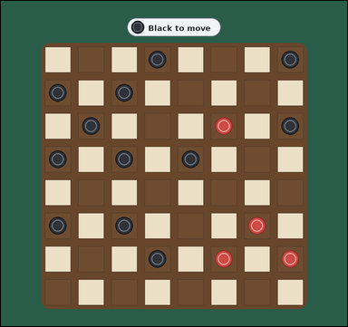 |  | task_games_checkers_move_count | capture_move_count | The image shows one crowded visible 8 by 8 checkers board with many red and black pieces on the dark squares. Determine the requested move value from the visible board. It is Black's turn. Only the dark squares are used. All shown pieces are ordinary men, not kings. Black pieces move diagonally downward toward the bottom edge, and Red pieces move diagonally upward toward the top edge. A capture jumps diagonally over one adjacent opponent piece into the empty dark square immediately beyond. Count only one move at a time and ignore any additional jumps after landing. What is the number of landing squares for legal capturing moves by Black? Answer with an integer. Return a valid JSON object with keys "evidence" and "answer" in that order. Evidence requirement: set "evidence" to an array of bounding boxes [x1, y1, x2, y2] for every landing square of a legal capturing move for the current player. Answer format: set "answer" to the number of legal capture moves for the current player. Example JSON: {"evidence":[[132,188,196,252],[204,188,268,252]],"answer":2} | The image shows one crowded visible 8 by 8 checkers board with many red and black pieces on the dark squares. Determine the requested move value from the visible board. It is Black's turn. Only the dark squares are used. All shown pieces are ordinary men, not kings. Black pieces move diagonally downward toward the bottom edge, and Red pieces move diagonally upward toward the top edge. A capture jumps diagonally over one adjacent opponent piece into the empty dark square immediately beyond. Count only one move at a time and ignore any additional jumps after landing. What is the number of landing squares for legal capturing moves by Black? Answer with an integer. Return a valid JSON object with key "answer". Answer: set "answer" to the number of legal capture moves for the current player. Example JSON: {"answer":2} | {"evidence": [], "answer": 0} | [] | integer | bbox_set | 1.6354955285E+15 | games/task_games_checkers_move_count/images/capture_move_count/0011.png | games/task_games_checkers_move_count/data/capture_move_count/0011.json
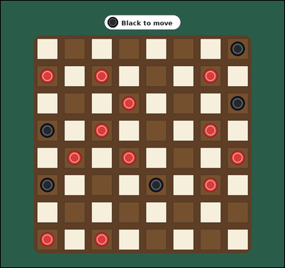 | 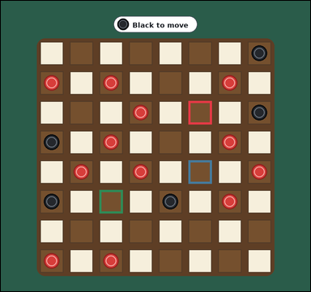 | task_games_checkers_move_count | capture_move_count | Use the visible checkers board state in the image. It shows one crowded visible 8 by 8 checkers board with many red and black pieces on the dark squares. Read the board and determine the requested value. It is Black's turn. Only the dark squares are used. All shown pieces are ordinary men, not kings. Black pieces move diagonally downward toward the bottom edge, and Red pieces move diagonally upward toward the top edge. A capture jumps diagonally over one adjacent opponent piece into the empty dark square immediately beyond. Count only one move at a time and ignore any additional jumps after landing. Count the legal captures available to Black. Answer with an integer. Return a valid JSON object with keys "evidence" and "answer" in that order. Evidence field: set "evidence" to an array of bounding boxes [x1, y1, x2, y2] for every landing square of a legal capturing move for the current player. Answer field: set "answer" to the number of legal capture moves for the current player. Example JSON: {"evidence":[[132,188,196,252],[204,188,268,252]],"answer":2} | Use the visible checkers board state in the image. It shows one crowded visible 8 by 8 checkers board with many red and black pieces on the dark squares. Read the board and determine the requested value. It is Black's turn. Only the dark squares are used. All shown pieces are ordinary men, not kings. Black pieces move diagonally downward toward the bottom edge, and Red pieces move diagonally upward toward the top edge. A capture jumps diagonally over one adjacent opponent piece into the empty dark square immediately beyond. Count only one move at a time and ignore any additional jumps after landing. Count the legal captures available to Black. Answer with an integer. Return a valid JSON object with key "answer". Answer requirement: set "answer" to the number of legal capture moves for the current player. Example JSON: {"answer":2} | {"evidence": [[594.0, 317.0, 668.0, 391.0], [594.0, 505.0, 668.0, 579.0], [312.0, 599.0, 386.0, 673.0]], "answer": 3} | [[594.0, 317.0, 668.0, 391.0], [594.0, 505.0, 668.0, 579.0], [312.0, 599.0, 386.0, 673.0]] | integer | bbox_set | 1.6434251071E+15 | games/task_games_checkers_move_count/images/capture_move_count/0009.png | games/task_games_checkers_move_count/data/capture_move_count/0009.json
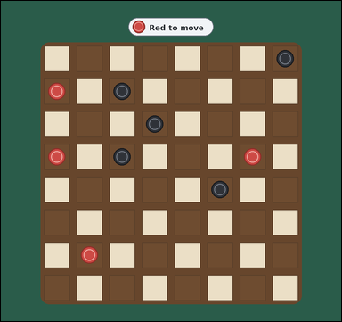 |  | task_games_checkers_move_count | capture_move_count | The image shows one visible 8 by 8 checkers board with red and black pieces on the dark squares. Use the displayed checkers state to determine the requested count. It is Red's turn. Only the dark squares are used. All shown pieces are ordinary men, not kings. Red pieces move diagonally upward toward the top edge, and Black pieces move diagonally downward toward the bottom edge. A capture jumps diagonally over one adjacent opponent piece into the empty dark square immediately beyond. Count only one move at a time and ignore any additional jumps after landing. What is the number of landing squares for legal capturing moves by Red? Answer with an integer. Return a valid JSON object with keys "evidence" and "answer" in that order. Evidence requirement: set "evidence" to an array of bounding boxes [x1, y1, x2, y2] for every landing square of a legal capturing move for the current player. Answer format: set "answer" to the number of legal capture moves for the current player. Example JSON: {"evidence":[[132,188,196,252],[204,188,268,252]],"answer":2} | The image shows one visible 8 by 8 checkers board with red and black pieces on the dark squares. Use the displayed checkers state to determine the requested count. It is Red's turn. Only the dark squares are used. All shown pieces are ordinary men, not kings. Red pieces move diagonally upward toward the top edge, and Black pieces move diagonally downward toward the bottom edge. A capture jumps diagonally over one adjacent opponent piece into the empty dark square immediately beyond. Count only one move at a time and ignore any additional jumps after landing. What is the number of landing squares for legal capturing moves by Red? Answer with an integer. Return a valid JSON object with key "answer". Answer format: set "answer" to the number of legal capture moves for the current player. Example JSON: {"answer":2} | {"evidence": [], "answer": 0} | [] | integer | bbox_set | 1.6676233117E+15 | games/task_games_checkers_move_count/images/capture_move_count/0019.png | games/task_games_checkers_move_count/data/capture_move_count/0019.json
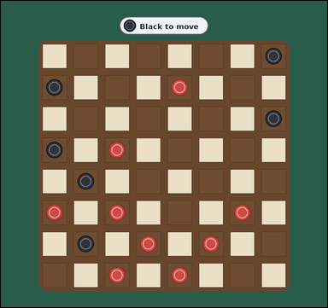 |  | task_games_checkers_move_count | capture_move_count | The image shows one crowded visible 8 by 8 checkers board with many red and black pieces on the dark squares. Work from the shown checkers position to answer the question. It is Black's turn. Only the dark squares are used. All shown pieces are ordinary men, not kings. Black pieces move diagonally downward toward the bottom edge, and Red pieces move diagonally upward toward the top edge. A capture jumps diagonally over one adjacent opponent piece into the empty dark square immediately beyond. Count only one move at a time and ignore any additional jumps after landing. What is the number of landing squares for legal capturing moves by Black? Answer with an integer. Return a valid JSON object with keys "evidence" and "answer" in that order. Evidence format: set "evidence" to an array of bounding boxes [x1, y1, x2, y2] for every landing square of a legal capturing move for the current player. Answer requirement: set "answer" to the number of legal capture moves for the current player. Example JSON: {"evidence":[[132,188,196,252],[204,188,268,252]],"answer":2} | The image shows one crowded visible 8 by 8 checkers board with many red and black pieces on the dark squares. Work from the shown checkers position to answer the question. It is Black's turn. Only the dark squares are used. All shown pieces are ordinary men, not kings. Black pieces move diagonally downward toward the bottom edge, and Red pieces move diagonally upward toward the top edge. A capture jumps diagonally over one adjacent opponent piece into the empty dark square immediately beyond. Count only one move at a time and ignore any additional jumps after landing. What is the number of landing squares for legal capturing moves by Black? Answer with an integer. Return a valid JSON object with key "answer". Answer: set "answer" to the number of legal capture moves for the current player. Example JSON: {"answer":2} | {"evidence": [], "answer": 0} | [] | integer | bbox_set | 1.8196502904E+15 | games/task_games_checkers_move_count/images/capture_move_count/0006.png | games/task_games_checkers_move_count/data/capture_move_count/0006.json
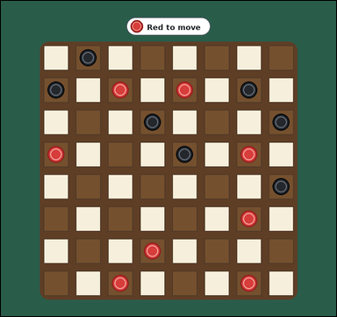 |  | task_games_checkers_move_count | capture_move_count | Use the visible checkers board state in the image. It shows one crowded visible 8 by 8 checkers board with many red and black pieces on the dark squares. Read the board and determine the requested value. It is Red's turn. Only the dark squares are used. All shown pieces are ordinary men, not kings. Red pieces move diagonally upward toward the top edge, and Black pieces move diagonally downward toward the bottom edge. A capture jumps diagonally over one adjacent opponent piece into the empty dark square immediately beyond. Count only one move at a time and ignore any additional jumps after landing. What is the number of landing squares for legal capturing moves by Red? Answer with an integer. Return a valid JSON object with keys "evidence" and "answer" in that order. Evidence format: set "evidence" to an array of bounding boxes [x1, y1, x2, y2] for every landing square of a legal capturing move for the current player. Answer requirement: set "answer" to the number of legal capture moves for the current player. Example JSON: {"evidence":[[132,188,196,252],[204,188,268,252]],"answer":2} | Use the visible checkers board state in the image. It shows one crowded visible 8 by 8 checkers board with many red and black pieces on the dark squares. Read the board and determine the requested value. It is Red's turn. Only the dark squares are used. All shown pieces are ordinary men, not kings. Red pieces move diagonally upward toward the top edge, and Black pieces move diagonally downward toward the bottom edge. A capture jumps diagonally over one adjacent opponent piece into the empty dark square immediately beyond. Count only one move at a time and ignore any additional jumps after landing. What is the number of landing squares for legal capturing moves by Red? Answer with an integer. Return a valid JSON object with key "answer". Answer requirement: set "answer" to the number of legal capture moves for the current player. Example JSON: {"answer":2} | {"evidence": [], "answer": 0} | [] | integer | bbox_set | 2.0086343601E+15 | games/task_games_checkers_move_count/images/capture_move_count/0012.png | games/task_games_checkers_move_count/data/capture_move_count/0012.json
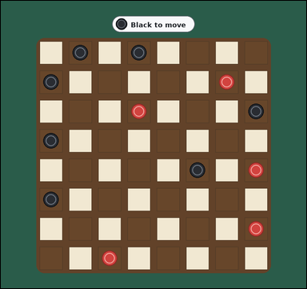 |  | task_games_checkers_move_count | capture_move_count | Use the visible checkers board state in the image. It shows one visible 8 by 8 checkers board with red and black pieces on the dark squares. Work from the shown checkers position to answer the question. It is Black's turn. Only the dark squares are used. All shown pieces are ordinary men, not kings. Black pieces move diagonally downward toward the bottom edge, and Red pieces move diagonally upward toward the top edge. A capture jumps diagonally over one adjacent opponent piece into the empty dark square immediately beyond. Count only one move at a time and ignore any additional jumps after landing. Count the legal captures available to Black. Answer with an integer. Return a valid JSON object with keys "evidence" and "answer" in that order. Evidence requirement: set "evidence" to an array of bounding boxes [x1, y1, x2, y2] for every landing square of a legal capturing move for the current player. Answer format: set "answer" to the number of legal capture moves for the current player. Example JSON: {"evidence":[[132,188,196,252],[204,188,268,252]],"answer":2} | Use the visible checkers board state in the image. It shows one visible 8 by 8 checkers board with red and black pieces on the dark squares. Work from the shown checkers position to answer the question. It is Black's turn. Only the dark squares are used. All shown pieces are ordinary men, not kings. Black pieces move diagonally downward toward the bottom edge, and Red pieces move diagonally upward toward the top edge. A capture jumps diagonally over one adjacent opponent piece into the empty dark square immediately beyond. Count only one move at a time and ignore any additional jumps after landing. Count the legal captures available to Black. Answer with an integer. Return a valid JSON object with key "answer". Answer: set "answer" to the number of legal capture moves for the current player. Example JSON: {"answer":2} | {"evidence": [], "answer": 0} | [] | integer | bbox_set | 2.1085990655E+15 | games/task_games_checkers_move_count/images/capture_move_count/0022.png | games/task_games_checkers_move_count/data/capture_move_count/0022.json
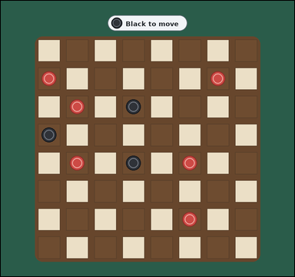 | 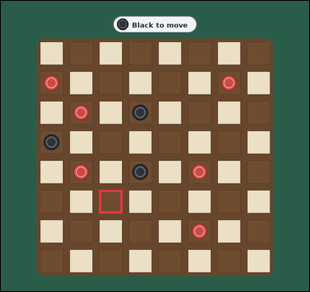 | task_games_checkers_move_count | capture_move_count | The image shows one visible 8 by 8 checkers board with red and black pieces on the dark squares. Answer the question using the visible board state. It is Black's turn. Only the dark squares are used. All shown pieces are ordinary men, not kings. Black pieces move diagonally downward toward the bottom edge, and Red pieces move diagonally upward toward the top edge. A capture jumps diagonally over one adjacent opponent piece into the empty dark square immediately beyond. Count only one move at a time and ignore any additional jumps after landing. Determine the number of legal capturing moves for Black. Answer with an integer. Return a valid JSON object with keys "evidence" and "answer" in that order. Evidence requirement: set "evidence" to an array of bounding boxes [x1, y1, x2, y2] for every landing square of a legal capturing move for the current player. Answer format: set "answer" to the number of legal capture moves for the current player. Example JSON: {"evidence":[[132,188,196,252],[204,188,268,252]],"answer":2} | The image shows one visible 8 by 8 checkers board with red and black pieces on the dark squares. Answer the question using the visible board state. It is Black's turn. Only the dark squares are used. All shown pieces are ordinary men, not kings. Black pieces move diagonally downward toward the bottom edge, and Red pieces move diagonally upward toward the top edge. A capture jumps diagonally over one adjacent opponent piece into the empty dark square immediately beyond. Count only one move at a time and ignore any additional jumps after landing. Determine the number of legal capturing moves for Black. Answer with an integer. Return a valid JSON object with key "answer". Answer requirement: set "answer" to the number of legal capture moves for the current player. Example JSON: {"answer":2} | {"evidence": [[312.0, 599.0, 386.0, 673.0]], "answer": 1} | [[312.0, 599.0, 386.0, 673.0]] | integer | bbox_set | 2.9214767482E+15 | games/task_games_checkers_move_count/images/capture_move_count/0007.png | games/task_games_checkers_move_count/data/capture_move_count/0007.json
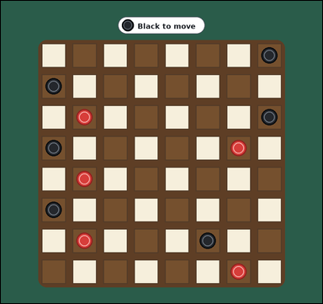 | 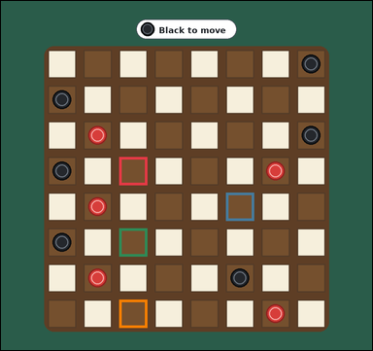 | task_games_checkers_move_count | capture_move_count | Look at the visible checkers board in the image. It shows one visible 8 by 8 checkers board with red and black pieces on the dark squares. Work from the shown checkers position to answer the question. It is Black's turn. Only the dark squares are used. All shown pieces are ordinary men, not kings. Black pieces move diagonally downward toward the bottom edge, and Red pieces move diagonally upward toward the top edge. A capture jumps diagonally over one adjacent opponent piece into the empty dark square immediately beyond. Count only one move at a time and ignore any additional jumps after landing. How many single jumps can Black make right now? Answer with an integer. Return a valid JSON object with keys "evidence" and "answer" in that order. Evidence format: set "evidence" to an array of bounding boxes [x1, y1, x2, y2] for every landing square of a legal capturing move for the current player. Answer requirement: set "answer" to the number of legal capture moves for the current player. Example JSON: {"evidence":[[132,188,196,252],[204,188,268,252]],"answer":2} | Look at the visible checkers board in the image. It shows one visible 8 by 8 checkers board with red and black pieces on the dark squares. Work from the shown checkers position to answer the question. It is Black's turn. Only the dark squares are used. All shown pieces are ordinary men, not kings. Black pieces move diagonally downward toward the bottom edge, and Red pieces move diagonally upward toward the top edge. A capture jumps diagonally over one adjacent opponent piece into the empty dark square immediately beyond. Count only one move at a time and ignore any additional jumps after landing. How many single jumps can Black make right now? Answer with an integer. Return a valid JSON object with key "answer". Answer field: set "answer" to the number of legal capture moves for the current player. Example JSON: {"answer":2} | {"evidence": [[312.0, 411.0, 386.0, 485.0], [594.0, 505.0, 668.0, 579.0], [312.0, 599.0, 386.0, 673.0], [312.0, 787.0, 386.0, 861.0]], "answer": 4} | [[312.0, 411.0, 386.0, 485.0], [594.0, 505.0, 668.0, 579.0], [312.0, 599.0, 386.0, 673.0], [312.0, 787.0, 386.0, 861.0]] | integer | bbox_set | 4.3466875183E+15 | games/task_games_checkers_move_count/images/capture_move_count/0013.png | games/task_games_checkers_move_count/data/capture_move_count/0013.json
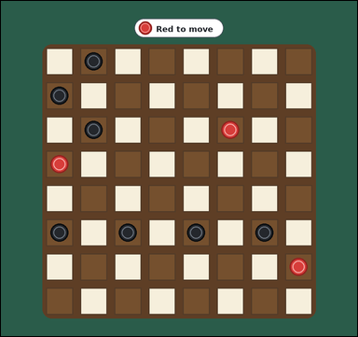 | 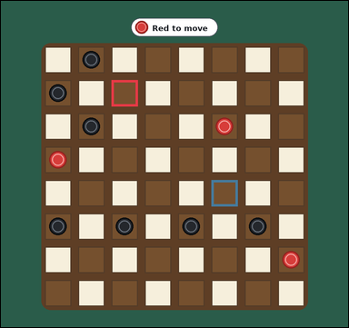 | task_games_checkers_move_count | capture_move_count | Look at the visible checkers board in the image. It shows one visible 8 by 8 checkers board with red and black pieces on the dark squares. Determine the requested move value from the visible board. It is Red's turn. Only the dark squares are used. All shown pieces are ordinary men, not kings. Red pieces move diagonally upward toward the top edge, and Black pieces move diagonally downward toward the bottom edge. A capture jumps diagonally over one adjacent opponent piece into the empty dark square immediately beyond. Count only one move at a time and ignore any additional jumps after landing. What is the number of landing squares for legal capturing moves by Red? Answer with an integer. Return a valid JSON object with keys "evidence" and "answer" in that order. Evidence format: set "evidence" to an array of bounding boxes [x1, y1, x2, y2] for every landing square of a legal capturing move for the current player. Answer requirement: set "answer" to the number of legal capture moves for the current player. Example JSON: {"evidence":[[132,188,196,252],[204,188,268,252]],"answer":2} | Look at the visible checkers board in the image. It shows one visible 8 by 8 checkers board with red and black pieces on the dark squares. Determine the requested move value from the visible board. It is Red's turn. Only the dark squares are used. All shown pieces are ordinary men, not kings. Red pieces move diagonally upward toward the top edge, and Black pieces move diagonally downward toward the bottom edge. A capture jumps diagonally over one adjacent opponent piece into the empty dark square immediately beyond. Count only one move at a time and ignore any additional jumps after landing. What is the number of landing squares for legal capturing moves by Red? Answer with an integer. Return a valid JSON object with key "answer". Answer field: set "answer" to the number of legal capture moves for the current player. Example JSON: {"answer":2} | {"evidence": [[312.0, 223.0, 386.0, 297.0], [594.0, 505.0, 668.0, 579.0]], "answer": 2} | [[312.0, 223.0, 386.0, 297.0], [594.0, 505.0, 668.0, 579.0]] | integer | bbox_set | 4.6884793628E+15 | games/task_games_checkers_move_count/images/capture_move_count/0020.png | games/task_games_checkers_move_count/data/capture_move_count/0020.json
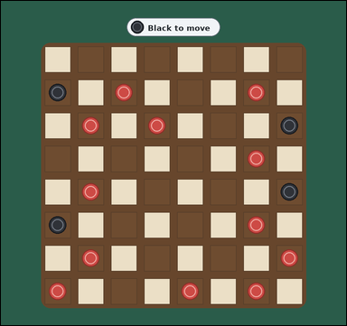 | 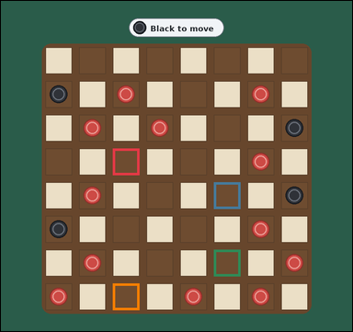 | task_games_checkers_move_count | capture_move_count | Look at the visible checkers board in the image. It shows one crowded visible 8 by 8 checkers board with many red and black pieces on the dark squares. Use the displayed checkers state to determine the requested count. It is Black's turn. Only the dark squares are used. All shown pieces are ordinary men, not kings. Black pieces move diagonally downward toward the bottom edge, and Red pieces move diagonally upward toward the top edge. A capture jumps diagonally over one adjacent opponent piece into the empty dark square immediately beyond. Count only one move at a time and ignore any additional jumps after landing. Count the legal captures available to Black. Answer with an integer. Return a valid JSON object with keys "evidence" and "answer" in that order. Evidence requirement: set "evidence" to an array of bounding boxes [x1, y1, x2, y2] for every landing square of a legal capturing move for the current player. Answer format: set "answer" to the number of legal capture moves for the current player. Example JSON: {"evidence":[[132,188,196,252],[204,188,268,252]],"answer":2} | Look at the visible checkers board in the image. It shows one crowded visible 8 by 8 checkers board with many red and black pieces on the dark squares. Use the displayed checkers state to determine the requested count. It is Black's turn. Only the dark squares are used. All shown pieces are ordinary men, not kings. Black pieces move diagonally downward toward the bottom edge, and Red pieces move diagonally upward toward the top edge. A capture jumps diagonally over one adjacent opponent piece into the empty dark square immediately beyond. Count only one move at a time and ignore any additional jumps after landing. Count the legal captures available to Black. Answer with an integer. Return a valid JSON object with key "answer". Answer rule: set "answer" to the number of legal capture moves for the current player. Example JSON: {"answer":2} | {"evidence": [[312.0, 411.0, 386.0, 485.0], [594.0, 505.0, 668.0, 579.0], [594.0, 693.0, 668.0, 767.0], [312.0, 787.0, 386.0, 861.0]], "answer": 4} | [[312.0, 411.0, 386.0, 485.0], [594.0, 505.0, 668.0, 579.0], [594.0, 693.0, 668.0, 767.0], [312.0, 787.0, 386.0, 861.0]] | integer | bbox_set | 4.7564044031E+15 | games/task_games_checkers_move_count/images/capture_move_count/0002.png | games/task_games_checkers_move_count/data/capture_move_count/0002.json
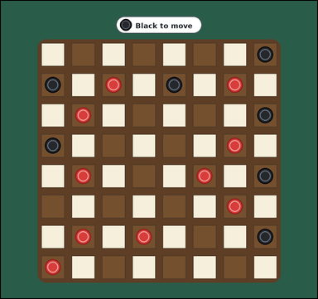 | 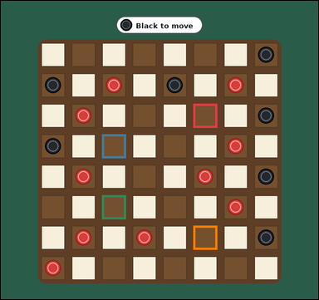 | task_games_checkers_move_count | capture_move_count | The image shows one crowded visible 8 by 8 checkers board with many red and black pieces on the dark squares. Work from the shown checkers position to answer the question. It is Black's turn. Only the dark squares are used. All shown pieces are ordinary men, not kings. Black pieces move diagonally downward toward the bottom edge, and Red pieces move diagonally upward toward the top edge. A capture jumps diagonally over one adjacent opponent piece into the empty dark square immediately beyond. Count only one move at a time and ignore any additional jumps after landing. How many legal capturing moves does Black have? Answer with an integer. Return a valid JSON object with keys "evidence" and "answer" in that order. Evidence format: set "evidence" to an array of bounding boxes [x1, y1, x2, y2] for every landing square of a legal capturing move for the current player. Answer requirement: set "answer" to the number of legal capture moves for the current player. Example JSON: {"evidence":[[132,188,196,252],[204,188,268,252]],"answer":2} | The image shows one crowded visible 8 by 8 checkers board with many red and black pieces on the dark squares. Work from the shown checkers position to answer the question. It is Black's turn. Only the dark squares are used. All shown pieces are ordinary men, not kings. Black pieces move diagonally downward toward the bottom edge, and Red pieces move diagonally upward toward the top edge. A capture jumps diagonally over one adjacent opponent piece into the empty dark square immediately beyond. Count only one move at a time and ignore any additional jumps after landing. How many legal capturing moves does Black have? Answer with an integer. Return a valid JSON object with key "answer". Answer requirement: set "answer" to the number of legal capture moves for the current player. Example JSON: {"answer":2} | {"evidence": [[594.0, 317.0, 668.0, 391.0], [312.0, 411.0, 386.0, 485.0], [312.0, 599.0, 386.0, 673.0], [594.0, 693.0, 668.0, 767.0]], "answer": 4} | [[594.0, 317.0, 668.0, 391.0], [312.0, 411.0, 386.0, 485.0], [312.0, 599.0, 386.0, 673.0], [594.0, 693.0, 668.0, 767.0]] | integer | bbox_set | 5.2817157929E+15 | games/task_games_checkers_move_count/images/capture_move_count/0005.png | games/task_games_checkers_move_count/data/capture_move_count/0005.json
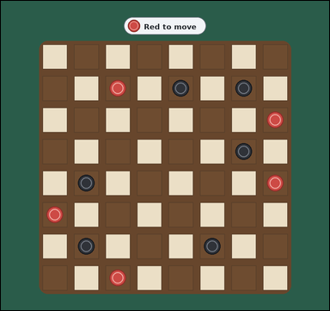 | 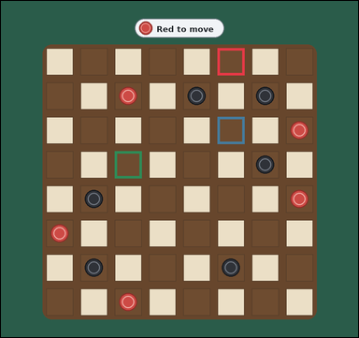 | task_games_checkers_move_count | capture_move_count | You are given a checkers board image with one visible 8 by 8 checkers board with red and black pieces on the dark squares. Use the displayed checkers state to determine the requested count. It is Red's turn. Only the dark squares are used. All shown pieces are ordinary men, not kings. Red pieces move diagonally upward toward the top edge, and Black pieces move diagonally downward toward the bottom edge. A capture jumps diagonally over one adjacent opponent piece into the empty dark square immediately beyond. Count only one move at a time and ignore any additional jumps after landing. What is the number of landing squares for legal capturing moves by Red? Answer with an integer. Return a valid JSON object with keys "evidence" and "answer" in that order. Evidence field: set "evidence" to an array of bounding boxes [x1, y1, x2, y2] for every landing square of a legal capturing move for the current player. Answer field: set "answer" to the number of legal capture moves for the current player. Example JSON: {"evidence":[[132,188,196,252],[204,188,268,252]],"answer":2} | You are given a checkers board image with one visible 8 by 8 checkers board with red and black pieces on the dark squares. Use the displayed checkers state to determine the requested count. It is Red's turn. Only the dark squares are used. All shown pieces are ordinary men, not kings. Red pieces move diagonally upward toward the top edge, and Black pieces move diagonally downward toward the bottom edge. A capture jumps diagonally over one adjacent opponent piece into the empty dark square immediately beyond. Count only one move at a time and ignore any additional jumps after landing. What is the number of landing squares for legal capturing moves by Red? Answer with an integer. Return a valid JSON object with key "answer". Answer requirement: set "answer" to the number of legal capture moves for the current player. Example JSON: {"answer":2} | {"evidence": [[594.0, 129.0, 668.0, 203.0], [594.0, 317.0, 668.0, 391.0], [312.0, 411.0, 386.0, 485.0]], "answer": 3} | [[594.0, 129.0, 668.0, 203.0], [594.0, 317.0, 668.0, 391.0], [312.0, 411.0, 386.0, 485.0]] | integer | bbox_set | 5.3458102395E+15 | games/task_games_checkers_move_count/images/capture_move_count/0000.png | games/task_games_checkers_move_count/data/capture_move_count/0000.json
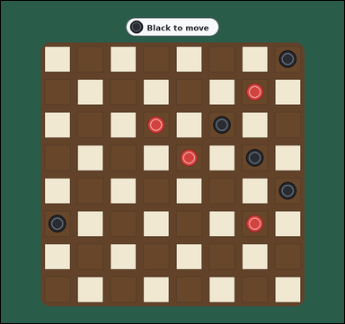 | 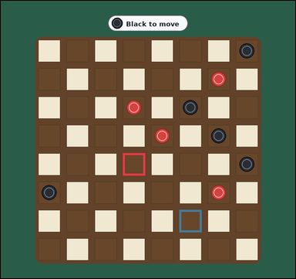 | task_games_checkers_move_count | capture_move_count | Work from the checkers position shown in the image: one visible 8 by 8 checkers board with red and black pieces on the dark squares. Use the displayed checkers state to determine the requested count. It is Black's turn. Only the dark squares are used. All shown pieces are ordinary men, not kings. Black pieces move diagonally downward toward the bottom edge, and Red pieces move diagonally upward toward the top edge. A capture jumps diagonally over one adjacent opponent piece into the empty dark square immediately beyond. Count only one move at a time and ignore any additional jumps after landing. How many legal capturing moves does Black have? Answer with an integer. Return a valid JSON object with keys "evidence" and "answer" in that order. Evidence field: set "evidence" to an array of bounding boxes [x1, y1, x2, y2] for every landing square of a legal capturing move for the current player. Answer field: set "answer" to the number of legal capture moves for the current player. Example JSON: {"evidence":[[132,188,196,252],[204,188,268,252]],"answer":2} | Work from the checkers position shown in the image: one visible 8 by 8 checkers board with red and black pieces on the dark squares. Use the displayed checkers state to determine the requested count. It is Black's turn. Only the dark squares are used. All shown pieces are ordinary men, not kings. Black pieces move diagonally downward toward the bottom edge, and Red pieces move diagonally upward toward the top edge. A capture jumps diagonally over one adjacent opponent piece into the empty dark square immediately beyond. Count only one move at a time and ignore any additional jumps after landing. How many legal capturing moves does Black have? Answer with an integer. Return a valid JSON object with key "answer". Answer requirement: set "answer" to the number of legal capture moves for the current player. Example JSON: {"answer":2} | {"evidence": [[406.0, 505.0, 480.0, 579.0], [594.0, 693.0, 668.0, 767.0]], "answer": 2} | [[406.0, 505.0, 480.0, 579.0], [594.0, 693.0, 668.0, 767.0]] | integer | bbox_set | 6.6324622139E+15 | games/task_games_checkers_move_count/images/capture_move_count/0016.png | games/task_games_checkers_move_count/data/capture_move_count/0016.json
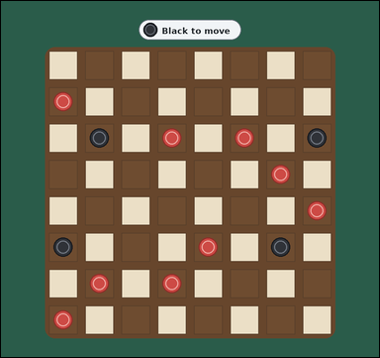 | 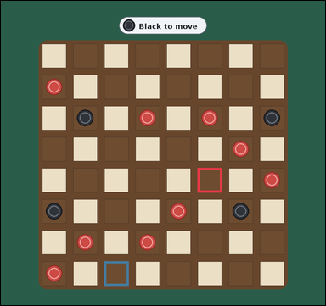 | task_games_checkers_move_count | capture_move_count | Work from the checkers position shown in the image: one crowded visible 8 by 8 checkers board with many red and black pieces on the dark squares. Use the displayed checkers state to determine the requested count. It is Black's turn. Only the dark squares are used. All shown pieces are ordinary men, not kings. Black pieces move diagonally downward toward the bottom edge, and Red pieces move diagonally upward toward the top edge. A capture jumps diagonally over one adjacent opponent piece into the empty dark square immediately beyond. Count only one move at a time and ignore any additional jumps after landing. Determine the number of legal capturing moves for Black. Answer with an integer. Return a valid JSON object with keys "evidence" and "answer" in that order. Evidence format: set "evidence" to an array of bounding boxes [x1, y1, x2, y2] for every landing square of a legal capturing move for the current player. Answer requirement: set "answer" to the number of legal capture moves for the current player. Example JSON: {"evidence":[[132,188,196,252],[204,188,268,252]],"answer":2} | Work from the checkers position shown in the image: one crowded visible 8 by 8 checkers board with many red and black pieces on the dark squares. Use the displayed checkers state to determine the requested count. It is Black's turn. Only the dark squares are used. All shown pieces are ordinary men, not kings. Black pieces move diagonally downward toward the bottom edge, and Red pieces move diagonally upward toward the top edge. A capture jumps diagonally over one adjacent opponent piece into the empty dark square immediately beyond. Count only one move at a time and ignore any additional jumps after landing. Determine the number of legal capturing moves for Black. Answer with an integer. Return a valid JSON object with key "answer". Answer field: set "answer" to the number of legal capture moves for the current player. Example JSON: {"answer":2} | {"evidence": [[594.0, 505.0, 668.0, 579.0], [312.0, 787.0, 386.0, 861.0]], "answer": 2} | [[594.0, 505.0, 668.0, 579.0], [312.0, 787.0, 386.0, 861.0]] | integer | bbox_set | 6.6653809293E+15 | games/task_games_checkers_move_count/images/capture_move_count/0017.png | games/task_games_checkers_move_count/data/capture_move_count/0017.json
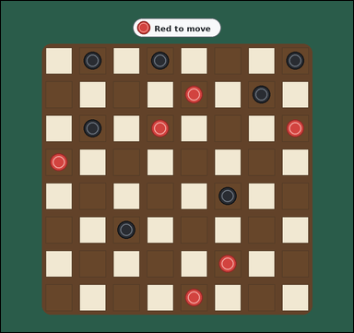 | 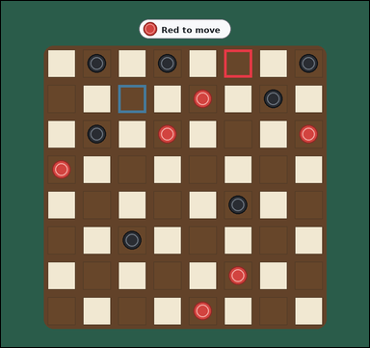 | task_games_checkers_move_count | capture_move_count | Work from the checkers position shown in the image: one crowded visible 8 by 8 checkers board with many red and black pieces on the dark squares. Answer the question using the visible board state. It is Red's turn. Only the dark squares are used. All shown pieces are ordinary men, not kings. Red pieces move diagonally upward toward the top edge, and Black pieces move diagonally downward toward the bottom edge. A capture jumps diagonally over one adjacent opponent piece into the empty dark square immediately beyond. Count only one move at a time and ignore any additional jumps after landing. Count the legal captures available to Red. Answer with an integer. Return a valid JSON object with keys "evidence" and "answer" in that order. Evidence requirement: set "evidence" to an array of bounding boxes [x1, y1, x2, y2] for every landing square of a legal capturing move for the current player. Answer format: set "answer" to the number of legal capture moves for the current player. Example JSON: {"evidence":[[132,188,196,252],[204,188,268,252]],"answer":2} | Work from the checkers position shown in the image: one crowded visible 8 by 8 checkers board with many red and black pieces on the dark squares. Answer the question using the visible board state. It is Red's turn. Only the dark squares are used. All shown pieces are ordinary men, not kings. Red pieces move diagonally upward toward the top edge, and Black pieces move diagonally downward toward the bottom edge. A capture jumps diagonally over one adjacent opponent piece into the empty dark square immediately beyond. Count only one move at a time and ignore any additional jumps after landing. Count the legal captures available to Red. Answer with an integer. Return a valid JSON object with key "answer". Answer requirement: set "answer" to the number of legal capture moves for the current player. Example JSON: {"answer":2} | {"evidence": [[594.0, 129.0, 668.0, 203.0], [312.0, 223.0, 386.0, 297.0]], "answer": 2} | [[594.0, 129.0, 668.0, 203.0], [312.0, 223.0, 386.0, 297.0]] | integer | bbox_set | 6.9187630329E+15 | games/task_games_checkers_move_count/images/capture_move_count/0023.png | games/task_games_checkers_move_count/data/capture_move_count/0023.json
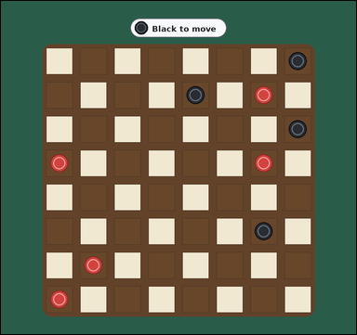 | 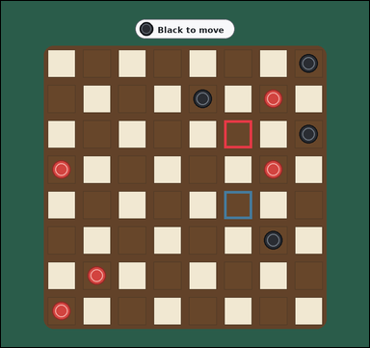 | task_games_checkers_move_count | capture_move_count | Use the visible checkers board state in the image. It shows one visible 8 by 8 checkers board with red and black pieces on the dark squares. Answer the question using the visible board state. It is Black's turn. Only the dark squares are used. All shown pieces are ordinary men, not kings. Black pieces move diagonally downward toward the bottom edge, and Red pieces move diagonally upward toward the top edge. A capture jumps diagonally over one adjacent opponent piece into the empty dark square immediately beyond. Count only one move at a time and ignore any additional jumps after landing. How many single jumps can Black make right now? Answer with an integer. Return a valid JSON object with keys "evidence" and "answer" in that order. Evidence: set "evidence" to an array of bounding boxes [x1, y1, x2, y2] for every landing square of a legal capturing move for the current player. Answer: set "answer" to the number of legal capture moves for the current player. Example JSON: {"evidence":[[132,188,196,252],[204,188,268,252]],"answer":2} | Use the visible checkers board state in the image. It shows one visible 8 by 8 checkers board with red and black pieces on the dark squares. Answer the question using the visible board state. It is Black's turn. Only the dark squares are used. All shown pieces are ordinary men, not kings. Black pieces move diagonally downward toward the bottom edge, and Red pieces move diagonally upward toward the top edge. A capture jumps diagonally over one adjacent opponent piece into the empty dark square immediately beyond. Count only one move at a time and ignore any additional jumps after landing. How many single jumps can Black make right now? Answer with an integer. Return a valid JSON object with key "answer". Answer requirement: set "answer" to the number of legal capture moves for the current player. Example JSON: {"answer":2} | {"evidence": [[594.0, 317.0, 668.0, 391.0], [594.0, 505.0, 668.0, 579.0]], "answer": 2} | [[594.0, 317.0, 668.0, 391.0], [594.0, 505.0, 668.0, 579.0]] | integer | bbox_set | 7.0397444426E+15 | games/task_games_checkers_move_count/images/capture_move_count/0024.png | games/task_games_checkers_move_count/data/capture_move_count/0024.json
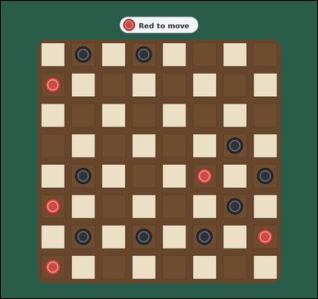 | 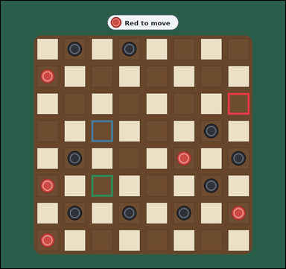 | task_games_checkers_move_count | capture_move_count | Look at the visible checkers board in the image. It shows one crowded visible 8 by 8 checkers board with many red and black pieces on the dark squares. Use the displayed checkers state to determine the requested count. It is Red's turn. Only the dark squares are used. All shown pieces are ordinary men, not kings. Red pieces move diagonally upward toward the top edge, and Black pieces move diagonally downward toward the bottom edge. A capture jumps diagonally over one adjacent opponent piece into the empty dark square immediately beyond. Count only one move at a time and ignore any additional jumps after landing. Count the legal captures available to Red. Answer with an integer. Return a valid JSON object with keys "evidence" and "answer" in that order. Evidence field: set "evidence" to an array of bounding boxes [x1, y1, x2, y2] for every landing square of a legal capturing move for the current player. Answer field: set "answer" to the number of legal capture moves for the current player. Example JSON: {"evidence":[[132,188,196,252],[204,188,268,252]],"answer":2} | Look at the visible checkers board in the image. It shows one crowded visible 8 by 8 checkers board with many red and black pieces on the dark squares. Use the displayed checkers state to determine the requested count. It is Red's turn. Only the dark squares are used. All shown pieces are ordinary men, not kings. Red pieces move diagonally upward toward the top edge, and Black pieces move diagonally downward toward the bottom edge. A capture jumps diagonally over one adjacent opponent piece into the empty dark square immediately beyond. Count only one move at a time and ignore any additional jumps after landing. Count the legal captures available to Red. Answer with an integer. Return a valid JSON object with key "answer". Answer: set "answer" to the number of legal capture moves for the current player. Example JSON: {"answer":2} | {"evidence": [[782.0, 317.0, 856.0, 391.0], [312.0, 411.0, 386.0, 485.0], [312.0, 599.0, 386.0, 673.0]], "answer": 3} | [[782.0, 317.0, 856.0, 391.0], [312.0, 411.0, 386.0, 485.0], [312.0, 599.0, 386.0, 673.0]] | integer | bbox_set | 7.161400068E+15 | games/task_games_checkers_move_count/images/capture_move_count/0015.png | games/task_games_checkers_move_count/data/capture_move_count/0015.json

legal_move_count
image | evidence_image | task | task_variant | prompt | prompt_answer_only | answer | answer_evidence | answer_type | evidence_type | instance_seed | image_path | data_path
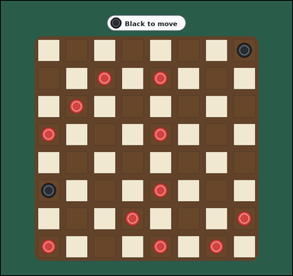 | 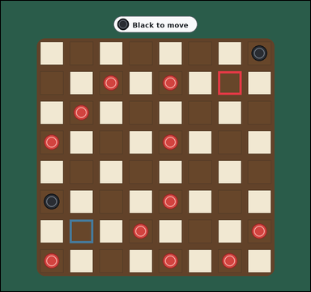 | task_games_checkers_move_count | legal_move_count | Use the visible checkers board state in the image. It shows one crowded visible 8 by 8 checkers board with many red and black pieces on the dark squares. Answer the question using the visible board state. It is Black's turn. Only the dark squares are used. All shown pieces are ordinary men, not kings. Black pieces move diagonally downward toward the bottom edge, and Red pieces move diagonally upward toward the top edge. A capture jumps diagonally over one adjacent opponent piece into the empty dark square immediately beyond. Count only one move at a time and ignore any additional jumps after landing. For this task, ordinary diagonal steps and single captures both count as legal moves, and captures are not mandatory. What is the number of legal landing squares for Black? Answer with an integer. Return a valid JSON object with keys "evidence" and "answer" in that order. Evidence format: set "evidence" to an array of bounding boxes [x1, y1, x2, y2] for every landing square of a legal move for the current player. Answer requirement: set "answer" to the number of legal moves for the current player. Example JSON: {"evidence":[[132,188,196,252],[204,188,268,252]],"answer":3} | Use the visible checkers board state in the image. It shows one crowded visible 8 by 8 checkers board with many red and black pieces on the dark squares. Answer the question using the visible board state. It is Black's turn. Only the dark squares are used. All shown pieces are ordinary men, not kings. Black pieces move diagonally downward toward the bottom edge, and Red pieces move diagonally upward toward the top edge. A capture jumps diagonally over one adjacent opponent piece into the empty dark square immediately beyond. Count only one move at a time and ignore any additional jumps after landing. For this task, ordinary diagonal steps and single captures both count as legal moves, and captures are not mandatory. What is the number of legal landing squares for Black? Answer with an integer. Return a valid JSON object with key "answer". Answer rule: set "answer" to the number of legal moves for the current player. Example JSON: {"answer":3} | {"evidence": [[688.0, 223.0, 762.0, 297.0], [218.0, 693.0, 292.0, 767.0]], "answer": 2} | [[688.0, 223.0, 762.0, 297.0], [218.0, 693.0, 292.0, 767.0]] | integer | bbox_set | 259029935262103 | games/task_games_checkers_move_count/images/legal_move_count/0009.png | games/task_games_checkers_move_count/data/legal_move_count/0009.json
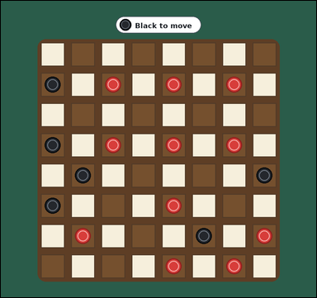 | 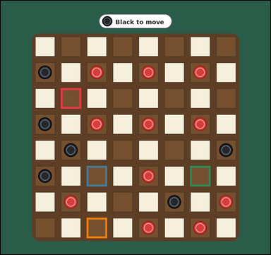 | task_games_checkers_move_count | legal_move_count | Look at the visible checkers board in the image. It shows one crowded visible 8 by 8 checkers board with many red and black pieces on the dark squares. Determine the requested move value from the visible board. It is Black's turn. Only the dark squares are used. All shown pieces are ordinary men, not kings. Black pieces move diagonally downward toward the bottom edge, and Red pieces move diagonally upward toward the top edge. A capture jumps diagonally over one adjacent opponent piece into the empty dark square immediately beyond. Count only one move at a time and ignore any additional jumps after landing. For this task, ordinary diagonal steps and single captures both count as legal moves, and captures are not mandatory. How many legal moves does Black have? Answer with an integer. Return a valid JSON object with keys "evidence" and "answer" in that order. Evidence field: set "evidence" to an array of bounding boxes [x1, y1, x2, y2] for every landing square of a legal move for the current player. Answer field: set "answer" to the number of legal moves for the current player. Example JSON: {"evidence":[[132,188,196,252],[204,188,268,252]],"answer":3} | Look at the visible checkers board in the image. It shows one crowded visible 8 by 8 checkers board with many red and black pieces on the dark squares. Determine the requested move value from the visible board. It is Black's turn. Only the dark squares are used. All shown pieces are ordinary men, not kings. Black pieces move diagonally downward toward the bottom edge, and Red pieces move diagonally upward toward the top edge. A capture jumps diagonally over one adjacent opponent piece into the empty dark square immediately beyond. Count only one move at a time and ignore any additional jumps after landing. For this task, ordinary diagonal steps and single captures both count as legal moves, and captures are not mandatory. How many legal moves does Black have? Answer with an integer. Return a valid JSON object with key "answer". Answer: set "answer" to the number of legal moves for the current player. Example JSON: {"answer":3} | {"evidence": [[218.0, 317.0, 292.0, 391.0], [312.0, 599.0, 386.0, 673.0], [688.0, 599.0, 762.0, 673.0], [312.0, 787.0, 386.0, 861.0]], "answer": 4} | [[218.0, 317.0, 292.0, 391.0], [312.0, 599.0, 386.0, 673.0], [688.0, 599.0, 762.0, 673.0], [312.0, 787.0, 386.0, 861.0]] | integer | bbox_set | 362593082735373 | games/task_games_checkers_move_count/images/legal_move_count/0023.png | games/task_games_checkers_move_count/data/legal_move_count/0023.json
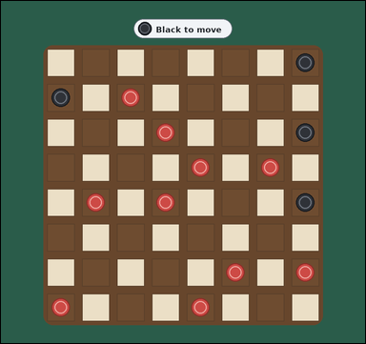 | 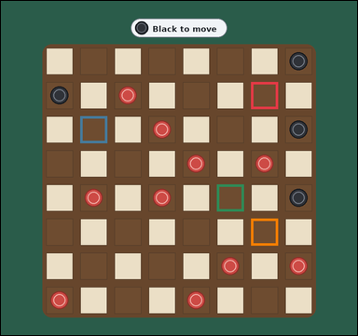 | task_games_checkers_move_count | legal_move_count | The image shows one crowded visible 8 by 8 checkers board with many red and black pieces on the dark squares. Answer the question using the visible board state. It is Black's turn. Only the dark squares are used. All shown pieces are ordinary men, not kings. Black pieces move diagonally downward toward the bottom edge, and Red pieces move diagonally upward toward the top edge. A capture jumps diagonally over one adjacent opponent piece into the empty dark square immediately beyond. Count only one move at a time and ignore any additional jumps after landing. For this task, ordinary diagonal steps and single captures both count as legal moves, and captures are not mandatory. How many legal moves does Black have? Answer with an integer. Return a valid JSON object with keys "evidence" and "answer" in that order. Evidence rule: set "evidence" to an array of bounding boxes [x1, y1, x2, y2] for every landing square of a legal move for the current player. Answer rule: set "answer" to the number of legal moves for the current player. Example JSON: {"evidence":[[132,188,196,252],[204,188,268,252]],"answer":3} | The image shows one crowded visible 8 by 8 checkers board with many red and black pieces on the dark squares. Answer the question using the visible board state. It is Black's turn. Only the dark squares are used. All shown pieces are ordinary men, not kings. Black pieces move diagonally downward toward the bottom edge, and Red pieces move diagonally upward toward the top edge. A capture jumps diagonally over one adjacent opponent piece into the empty dark square immediately beyond. Count only one move at a time and ignore any additional jumps after landing. For this task, ordinary diagonal steps and single captures both count as legal moves, and captures are not mandatory. How many legal moves does Black have? Answer with an integer. Return a valid JSON object with key "answer". Answer field: set "answer" to the number of legal moves for the current player. Example JSON: {"answer":3} | {"evidence": [[688.0, 223.0, 762.0, 297.0], [218.0, 317.0, 292.0, 391.0], [594.0, 505.0, 668.0, 579.0], [688.0, 599.0, 762.0, 673.0]], "answer": 4} | [[688.0, 223.0, 762.0, 297.0], [218.0, 317.0, 292.0, 391.0], [594.0, 505.0, 668.0, 579.0], [688.0, 599.0, 762.0, 673.0]] | integer | bbox_set | 434341333803638 | games/task_games_checkers_move_count/images/legal_move_count/0020.png | games/task_games_checkers_move_count/data/legal_move_count/0020.json
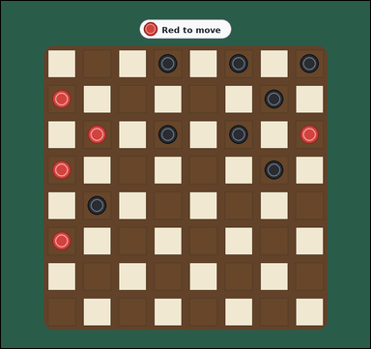 | 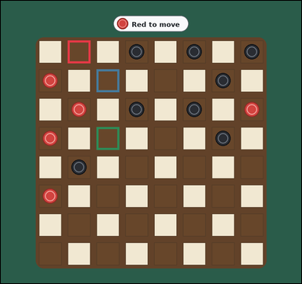 | task_games_checkers_move_count | legal_move_count | You are given a checkers board image with one crowded visible 8 by 8 checkers board with many red and black pieces on the dark squares. Use the displayed checkers state to determine the requested count. It is Red's turn. Only the dark squares are used. All shown pieces are ordinary men, not kings. Red pieces move diagonally upward toward the top edge, and Black pieces move diagonally downward toward the bottom edge. A capture jumps diagonally over one adjacent opponent piece into the empty dark square immediately beyond. Count only one move at a time and ignore any additional jumps after landing. For this task, ordinary diagonal steps and single captures both count as legal moves, and captures are not mandatory. How many single-move options does Red have? Answer with an integer. Return a valid JSON object with keys "evidence" and "answer" in that order. Evidence format: set "evidence" to an array of bounding boxes [x1, y1, x2, y2] for every landing square of a legal move for the current player. Answer requirement: set "answer" to the number of legal moves for the current player. Example JSON: {"evidence":[[132,188,196,252],[204,188,268,252]],"answer":3} | You are given a checkers board image with one crowded visible 8 by 8 checkers board with many red and black pieces on the dark squares. Use the displayed checkers state to determine the requested count. It is Red's turn. Only the dark squares are used. All shown pieces are ordinary men, not kings. Red pieces move diagonally upward toward the top edge, and Black pieces move diagonally downward toward the bottom edge. A capture jumps diagonally over one adjacent opponent piece into the empty dark square immediately beyond. Count only one move at a time and ignore any additional jumps after landing. For this task, ordinary diagonal steps and single captures both count as legal moves, and captures are not mandatory. How many single-move options does Red have? Answer with an integer. Return a valid JSON object with key "answer". Answer rule: set "answer" to the number of legal moves for the current player. Example JSON: {"answer":3} | {"evidence": [[218.0, 129.0, 292.0, 203.0], [312.0, 223.0, 386.0, 297.0], [312.0, 411.0, 386.0, 485.0]], "answer": 3} | [[218.0, 129.0, 292.0, 203.0], [312.0, 223.0, 386.0, 297.0], [312.0, 411.0, 386.0, 485.0]] | integer | bbox_set | 809177571515664 | games/task_games_checkers_move_count/images/legal_move_count/0010.png | games/task_games_checkers_move_count/data/legal_move_count/0010.json
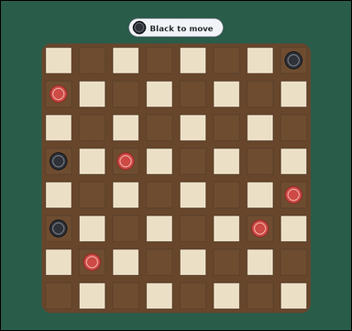 | 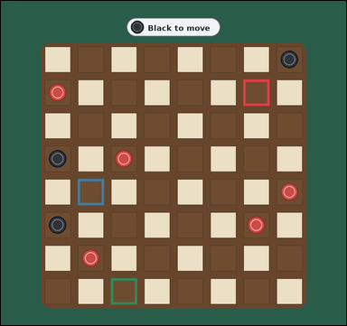 | task_games_checkers_move_count | legal_move_count | Work from the checkers position shown in the image: one visible 8 by 8 checkers board with red and black pieces on the dark squares. Read the board and determine the requested value. It is Black's turn. Only the dark squares are used. All shown pieces are ordinary men, not kings. Black pieces move diagonally downward toward the bottom edge, and Red pieces move diagonally upward toward the top edge. A capture jumps diagonally over one adjacent opponent piece into the empty dark square immediately beyond. Count only one move at a time and ignore any additional jumps after landing. For this task, ordinary diagonal steps and single captures both count as legal moves, and captures are not mandatory. How many single-move options does Black have? Answer with an integer. Return a valid JSON object with keys "evidence" and "answer" in that order. Evidence rule: set "evidence" to an array of bounding boxes [x1, y1, x2, y2] for every landing square of a legal move for the current player. Answer rule: set "answer" to the number of legal moves for the current player. Example JSON: {"evidence":[[132,188,196,252],[204,188,268,252]],"answer":3} | Work from the checkers position shown in the image: one visible 8 by 8 checkers board with red and black pieces on the dark squares. Read the board and determine the requested value. It is Black's turn. Only the dark squares are used. All shown pieces are ordinary men, not kings. Black pieces move diagonally downward toward the bottom edge, and Red pieces move diagonally upward toward the top edge. A capture jumps diagonally over one adjacent opponent piece into the empty dark square immediately beyond. Count only one move at a time and ignore any additional jumps after landing. For this task, ordinary diagonal steps and single captures both count as legal moves, and captures are not mandatory. How many single-move options does Black have? Answer with an integer. Return a valid JSON object with key "answer". Answer field: set "answer" to the number of legal moves for the current player. Example JSON: {"answer":3} | {"evidence": [[688.0, 223.0, 762.0, 297.0], [218.0, 505.0, 292.0, 579.0], [312.0, 787.0, 386.0, 861.0]], "answer": 3} | [[688.0, 223.0, 762.0, 297.0], [218.0, 505.0, 292.0, 579.0], [312.0, 787.0, 386.0, 861.0]] | integer | bbox_set | 1.1619345785E+15 | games/task_games_checkers_move_count/images/legal_move_count/0000.png | games/task_games_checkers_move_count/data/legal_move_count/0000.json
 |  | task_games_checkers_move_count | legal_move_count | Work from the checkers position shown in the image: one visible 8 by 8 checkers board with red and black pieces on the dark squares. Use the displayed checkers state to determine the requested count. It is Black's turn. Only the dark squares are used. All shown pieces are ordinary men, not kings. Black pieces move diagonally downward toward the bottom edge, and Red pieces move diagonally upward toward the top edge. A capture jumps diagonally over one adjacent opponent piece into the empty dark square immediately beyond. Count only one move at a time and ignore any additional jumps after landing. For this task, ordinary diagonal steps and single captures both count as legal moves, and captures are not mandatory. What is the number of legal landing squares for Black? Answer with an integer. Return a valid JSON object with keys "evidence" and "answer" in that order. Evidence: set "evidence" to an array of bounding boxes [x1, y1, x2, y2] for every landing square of a legal move for the current player. Answer: set "answer" to the number of legal moves for the current player. Example JSON: {"evidence":[[132,188,196,252],[204,188,268,252]],"answer":3} | Work from the checkers position shown in the image: one visible 8 by 8 checkers board with red and black pieces on the dark squares. Use the displayed checkers state to determine the requested count. It is Black's turn. Only the dark squares are used. All shown pieces are ordinary men, not kings. Black pieces move diagonally downward toward the bottom edge, and Red pieces move diagonally upward toward the top edge. A capture jumps diagonally over one adjacent opponent piece into the empty dark square immediately beyond. Count only one move at a time and ignore any additional jumps after landing. For this task, ordinary diagonal steps and single captures both count as legal moves, and captures are not mandatory. What is the number of legal landing squares for Black? Answer with an integer. Return a valid JSON object with key "answer". Answer field: set "answer" to the number of legal moves for the current player. Example JSON: {"answer":3} | {"evidence": [[218.0, 317.0, 292.0, 391.0]], "answer": 1} | [[218.0, 317.0, 292.0, 391.0]] | integer | bbox_set | 1.718066361E+15 | games/task_games_checkers_move_count/images/legal_move_count/0019.png | games/task_games_checkers_move_count/data/legal_move_count/0019.json
 |  | task_games_checkers_move_count | legal_move_count | Work from the checkers position shown in the image: one visible 8 by 8 checkers board with red and black pieces on the dark squares. Work from the shown checkers position to answer the question. It is Black's turn. Only the dark squares are used. All shown pieces are ordinary men, not kings. Black pieces move diagonally downward toward the bottom edge, and Red pieces move diagonally upward toward the top edge. A capture jumps diagonally over one adjacent opponent piece into the empty dark square immediately beyond. Count only one move at a time and ignore any additional jumps after landing. For this task, ordinary diagonal steps and single captures both count as legal moves, and captures are not mandatory. Determine the number of legal moves for Black. Answer with an integer. Return a valid JSON object with keys "evidence" and "answer" in that order. Evidence: set "evidence" to an array of bounding boxes [x1, y1, x2, y2] for every landing square of a legal move for the current player. Answer: set "answer" to the number of legal moves for the current player. Example JSON: {"evidence":[[132,188,196,252],[204,188,268,252]],"answer":3} | Work from the checkers position shown in the image: one visible 8 by 8 checkers board with red and black pieces on the dark squares. Work from the shown checkers position to answer the question. It is Black's turn. Only the dark squares are used. All shown pieces are ordinary men, not kings. Black pieces move diagonally downward toward the bottom edge, and Red pieces move diagonally upward toward the top edge. A capture jumps diagonally over one adjacent opponent piece into the empty dark square immediately beyond. Count only one move at a time and ignore any additional jumps after landing. For this task, ordinary diagonal steps and single captures both count as legal moves, and captures are not mandatory. Determine the number of legal moves for Black. Answer with an integer. Return a valid JSON object with key "answer". Answer requirement: set "answer" to the number of legal moves for the current player. Example JSON: {"answer":3} | {"evidence": [], "answer": 0} | [] | integer | bbox_set | 2.9216130873E+15 | games/task_games_checkers_move_count/images/legal_move_count/0004.png | games/task_games_checkers_move_count/data/legal_move_count/0004.json
 |  | task_games_checkers_move_count | legal_move_count | You are given a checkers board image with one crowded visible 8 by 8 checkers board with many red and black pieces on the dark squares. Determine the requested move value from the visible board. It is Black's turn. Only the dark squares are used. All shown pieces are ordinary men, not kings. Black pieces move diagonally downward toward the bottom edge, and Red pieces move diagonally upward toward the top edge. A capture jumps diagonally over one adjacent opponent piece into the empty dark square immediately beyond. Count only one move at a time and ignore any additional jumps after landing. For this task, ordinary diagonal steps and single captures both count as legal moves, and captures are not mandatory. Determine the number of legal moves for Black. Answer with an integer. Return a valid JSON object with keys "evidence" and "answer" in that order. Evidence format: set "evidence" to an array of bounding boxes [x1, y1, x2, y2] for every landing square of a legal move for the current player. Answer requirement: set "answer" to the number of legal moves for the current player. Example JSON: {"evidence":[[132,188,196,252],[204,188,268,252]],"answer":3} | You are given a checkers board image with one crowded visible 8 by 8 checkers board with many red and black pieces on the dark squares. Determine the requested move value from the visible board. It is Black's turn. Only the dark squares are used. All shown pieces are ordinary men, not kings. Black pieces move diagonally downward toward the bottom edge, and Red pieces move diagonally upward toward the top edge. A capture jumps diagonally over one adjacent opponent piece into the empty dark square immediately beyond. Count only one move at a time and ignore any additional jumps after landing. For this task, ordinary diagonal steps and single captures both count as legal moves, and captures are not mandatory. Determine the number of legal moves for Black. Answer with an integer. Return a valid JSON object with key "answer". Answer field: set "answer" to the number of legal moves for the current player. Example JSON: {"answer":3} | {"evidence": [[688.0, 223.0, 762.0, 297.0], [218.0, 317.0, 292.0, 391.0], [218.0, 505.0, 292.0, 579.0], [594.0, 505.0, 668.0, 579.0], [594.0, 693.0, 668.0, 767.0]], "answer": 5} | [[688.0, 223.0, 762.0, 297.0], [218.0, 317.0, 292.0, 391.0], [218.0, 505.0, 292.0, 579.0], [594.0, 505.0, 668.0, 579.0], [594.0, 693.0, 668.0, 767.0]] | integer | bbox_set | 3.3484143507E+15 | games/task_games_checkers_move_count/images/legal_move_count/0015.png | games/task_games_checkers_move_count/data/legal_move_count/0015.json
 |  | task_games_checkers_move_count | legal_move_count | Work from the checkers position shown in the image: one crowded visible 8 by 8 checkers board with many red and black pieces on the dark squares. Use the displayed checkers state to determine the requested count. It is Black's turn. Only the dark squares are used. All shown pieces are ordinary men, not kings. Black pieces move diagonally downward toward the bottom edge, and Red pieces move diagonally upward toward the top edge. A capture jumps diagonally over one adjacent opponent piece into the empty dark square immediately beyond. Count only one move at a time and ignore any additional jumps after landing. For this task, ordinary diagonal steps and single captures both count as legal moves, and captures are not mandatory. Determine the number of legal moves for Black. Answer with an integer. Return a valid JSON object with keys "evidence" and "answer" in that order. Evidence format: set "evidence" to an array of bounding boxes [x1, y1, x2, y2] for every landing square of a legal move for the current player. Answer requirement: set "answer" to the number of legal moves for the current player. Example JSON: {"evidence":[[132,188,196,252],[204,188,268,252]],"answer":3} | Work from the checkers position shown in the image: one crowded visible 8 by 8 checkers board with many red and black pieces on the dark squares. Use the displayed checkers state to determine the requested count. It is Black's turn. Only the dark squares are used. All shown pieces are ordinary men, not kings. Black pieces move diagonally downward toward the bottom edge, and Red pieces move diagonally upward toward the top edge. A capture jumps diagonally over one adjacent opponent piece into the empty dark square immediately beyond. Count only one move at a time and ignore any additional jumps after landing. For this task, ordinary diagonal steps and single captures both count as legal moves, and captures are not mandatory. Determine the number of legal moves for Black. Answer with an integer. Return a valid JSON object with key "answer". Answer format: set "answer" to the number of legal moves for the current player. Example JSON: {"answer":3} | {"evidence": [[500.0, 411.0, 574.0, 485.0], [218.0, 505.0, 292.0, 579.0], [594.0, 505.0, 668.0, 579.0], [688.0, 599.0, 762.0, 673.0], [218.0, 693.0, 292.0, 767.0]], "answer": 5} | [[500.0, 411.0, 574.0, 485.0], [218.0, 505.0, 292.0, 579.0], [594.0, 505.0, 668.0, 579.0], [688.0, 599.0, 762.0, 673.0], [218.0, 693.0, 292.0, 767.0]] | integer | bbox_set | 3.6008725677E+15 | games/task_games_checkers_move_count/images/legal_move_count/0001.png | games/task_games_checkers_move_count/data/legal_move_count/0001.json
 |  | task_games_checkers_move_count | legal_move_count | The image shows one crowded visible 8 by 8 checkers board with many red and black pieces on the dark squares. Answer the question using the visible board state. It is Black's turn. Only the dark squares are used. All shown pieces are ordinary men, not kings. Black pieces move diagonally downward toward the bottom edge, and Red pieces move diagonally upward toward the top edge. A capture jumps diagonally over one adjacent opponent piece into the empty dark square immediately beyond. Count only one move at a time and ignore any additional jumps after landing. For this task, ordinary diagonal steps and single captures both count as legal moves, and captures are not mandatory. How many single-move options does Black have? Answer with an integer. Return a valid JSON object with keys "evidence" and "answer" in that order. Evidence rule: set "evidence" to an array of bounding boxes [x1, y1, x2, y2] for every landing square of a legal move for the current player. Answer rule: set "answer" to the number of legal moves for the current player. Example JSON: {"evidence":[[132,188,196,252],[204,188,268,252]],"answer":3} | The image shows one crowded visible 8 by 8 checkers board with many red and black pieces on the dark squares. Answer the question using the visible board state. It is Black's turn. Only the dark squares are used. All shown pieces are ordinary men, not kings. Black pieces move diagonally downward toward the bottom edge, and Red pieces move diagonally upward toward the top edge. A capture jumps diagonally over one adjacent opponent piece into the empty dark square immediately beyond. Count only one move at a time and ignore any additional jumps after landing. For this task, ordinary diagonal steps and single captures both count as legal moves, and captures are not mandatory. How many single-move options does Black have? Answer with an integer. Return a valid JSON object with key "answer". Answer requirement: set "answer" to the number of legal moves for the current player. Example JSON: {"answer":3} | {"evidence": [[218.0, 317.0, 292.0, 391.0], [218.0, 505.0, 292.0, 579.0], [594.0, 693.0, 668.0, 767.0]], "answer": 3} | [[218.0, 317.0, 292.0, 391.0], [218.0, 505.0, 292.0, 579.0], [594.0, 693.0, 668.0, 767.0]] | integer | bbox_set | 3.737496771E+15 | games/task_games_checkers_move_count/images/legal_move_count/0016.png | games/task_games_checkers_move_count/data/legal_move_count/0016.json
 |  | task_games_checkers_move_count | legal_move_count | Use the visible checkers board state in the image. It shows one crowded visible 8 by 8 checkers board with many red and black pieces on the dark squares. Read the board and determine the requested value. It is Black's turn. Only the dark squares are used. All shown pieces are ordinary men, not kings. Black pieces move diagonally downward toward the bottom edge, and Red pieces move diagonally upward toward the top edge. A capture jumps diagonally over one adjacent opponent piece into the empty dark square immediately beyond. Count only one move at a time and ignore any additional jumps after landing. For this task, ordinary diagonal steps and single captures both count as legal moves, and captures are not mandatory. Determine the number of legal moves for Black. Answer with an integer. Return a valid JSON object with keys "evidence" and "answer" in that order. Evidence: set "evidence" to an array of bounding boxes [x1, y1, x2, y2] for every landing square of a legal move for the current player. Answer: set "answer" to the number of legal moves for the current player. Example JSON: {"evidence":[[132,188,196,252],[204,188,268,252]],"answer":3} | Use the visible checkers board state in the image. It shows one crowded visible 8 by 8 checkers board with many red and black pieces on the dark squares. Read the board and determine the requested value. It is Black's turn. Only the dark squares are used. All shown pieces are ordinary men, not kings. Black pieces move diagonally downward toward the bottom edge, and Red pieces move diagonally upward toward the top edge. A capture jumps diagonally over one adjacent opponent piece into the empty dark square immediately beyond. Count only one move at a time and ignore any additional jumps after landing. For this task, ordinary diagonal steps and single captures both count as legal moves, and captures are not mandatory. Determine the number of legal moves for Black. Answer with an integer. Return a valid JSON object with key "answer". Answer rule: set "answer" to the number of legal moves for the current player. Example JSON: {"answer":3} | {"evidence": [[594.0, 317.0, 668.0, 391.0], [688.0, 411.0, 762.0, 485.0], [312.0, 599.0, 386.0, 673.0], [688.0, 599.0, 762.0, 673.0], [218.0, 693.0, 292.0, 767.0]], "answer": 5} | [[594.0, 317.0, 668.0, 391.0], [688.0, 411.0, 762.0, 485.0], [312.0, 599.0, 386.0, 673.0], [688.0, 599.0, 762.0, 673.0], [218.0, 693.0, 292.0, 767.0]] | integer | bbox_set | 3.858854634E+15 | games/task_games_checkers_move_count/images/legal_move_count/0013.png | games/task_games_checkers_move_count/data/legal_move_count/0013.json
 |  | task_games_checkers_move_count | legal_move_count | The image shows one visible 8 by 8 checkers board with red and black pieces on the dark squares. Work from the shown checkers position to answer the question. It is Black's turn. Only the dark squares are used. All shown pieces are ordinary men, not kings. Black pieces move diagonally downward toward the bottom edge, and Red pieces move diagonally upward toward the top edge. A capture jumps diagonally over one adjacent opponent piece into the empty dark square immediately beyond. Count only one move at a time and ignore any additional jumps after landing. For this task, ordinary diagonal steps and single captures both count as legal moves, and captures are not mandatory. Determine the number of legal moves for Black. Answer with an integer. Return a valid JSON object with keys "evidence" and "answer" in that order. Evidence field: set "evidence" to an array of bounding boxes [x1, y1, x2, y2] for every landing square of a legal move for the current player. Answer field: set "answer" to the number of legal moves for the current player. Example JSON: {"evidence":[[132,188,196,252],[204,188,268,252]],"answer":3} | The image shows one visible 8 by 8 checkers board with red and black pieces on the dark squares. Work from the shown checkers position to answer the question. It is Black's turn. Only the dark squares are used. All shown pieces are ordinary men, not kings. Black pieces move diagonally downward toward the bottom edge, and Red pieces move diagonally upward toward the top edge. A capture jumps diagonally over one adjacent opponent piece into the empty dark square immediately beyond. Count only one move at a time and ignore any additional jumps after landing. For this task, ordinary diagonal steps and single captures both count as legal moves, and captures are not mandatory. Determine the number of legal moves for Black. Answer with an integer. Return a valid JSON object with key "answer". Answer field: set "answer" to the number of legal moves for the current player. Example JSON: {"answer":3} | {"evidence": [[688.0, 223.0, 762.0, 297.0], [312.0, 411.0, 386.0, 485.0], [688.0, 411.0, 762.0, 485.0], [312.0, 599.0, 386.0, 673.0], [688.0, 599.0, 762.0, 673.0]], "answer": 5} | [[688.0, 223.0, 762.0, 297.0], [312.0, 411.0, 386.0, 485.0], [688.0, 411.0, 762.0, 485.0], [312.0, 599.0, 386.0, 673.0], [688.0, 599.0, 762.0, 673.0]] | integer | bbox_set | 3.9412547947E+15 | games/task_games_checkers_move_count/images/legal_move_count/0014.png | games/task_games_checkers_move_count/data/legal_move_count/0014.json
 |  | task_games_checkers_move_count | legal_move_count | The image shows one visible 8 by 8 checkers board with red and black pieces on the dark squares. Work from the shown checkers position to answer the question. It is Black's turn. Only the dark squares are used. All shown pieces are ordinary men, not kings. Black pieces move diagonally downward toward the bottom edge, and Red pieces move diagonally upward toward the top edge. A capture jumps diagonally over one adjacent opponent piece into the empty dark square immediately beyond. Count only one move at a time and ignore any additional jumps after landing. For this task, ordinary diagonal steps and single captures both count as legal moves, and captures are not mandatory. What is the number of legal landing squares for Black? Answer with an integer. Return a valid JSON object with keys "evidence" and "answer" in that order. Evidence field: set "evidence" to an array of bounding boxes [x1, y1, x2, y2] for every landing square of a legal move for the current player. Answer field: set "answer" to the number of legal moves for the current player. Example JSON: {"evidence":[[132,188,196,252],[204,188,268,252]],"answer":3} | The image shows one visible 8 by 8 checkers board with red and black pieces on the dark squares. Work from the shown checkers position to answer the question. It is Black's turn. Only the dark squares are used. All shown pieces are ordinary men, not kings. Black pieces move diagonally downward toward the bottom edge, and Red pieces move diagonally upward toward the top edge. A capture jumps diagonally over one adjacent opponent piece into the empty dark square immediately beyond. Count only one move at a time and ignore any additional jumps after landing. For this task, ordinary diagonal steps and single captures both count as legal moves, and captures are not mandatory. What is the number of legal landing squares for Black? Answer with an integer. Return a valid JSON object with key "answer". Answer field: set "answer" to the number of legal moves for the current player. Example JSON: {"answer":3} | {"evidence": [[688.0, 223.0, 762.0, 297.0], [218.0, 317.0, 292.0, 391.0], [688.0, 411.0, 762.0, 485.0], [218.0, 693.0, 292.0, 767.0], [594.0, 693.0, 668.0, 767.0]], "answer": 5} | [[688.0, 223.0, 762.0, 297.0], [218.0, 317.0, 292.0, 391.0], [688.0, 411.0, 762.0, 485.0], [218.0, 693.0, 292.0, 767.0], [594.0, 693.0, 668.0, 767.0]] | integer | bbox_set | 4.0146062457E+15 | games/task_games_checkers_move_count/images/legal_move_count/0007.png | games/task_games_checkers_move_count/data/legal_move_count/0007.json
 |  | task_games_checkers_move_count | legal_move_count | The image shows one visible 8 by 8 checkers board with red and black pieces on the dark squares. Determine the requested move value from the visible board. It is Black's turn. Only the dark squares are used. All shown pieces are ordinary men, not kings. Black pieces move diagonally downward toward the bottom edge, and Red pieces move diagonally upward toward the top edge. A capture jumps diagonally over one adjacent opponent piece into the empty dark square immediately beyond. Count only one move at a time and ignore any additional jumps after landing. For this task, ordinary diagonal steps and single captures both count as legal moves, and captures are not mandatory. How many legal moves does Black have? Answer with an integer. Return a valid JSON object with keys "evidence" and "answer" in that order. Evidence rule: set "evidence" to an array of bounding boxes [x1, y1, x2, y2] for every landing square of a legal move for the current player. Answer rule: set "answer" to the number of legal moves for the current player. Example JSON: {"evidence":[[132,188,196,252],[204,188,268,252]],"answer":3} | The image shows one visible 8 by 8 checkers board with red and black pieces on the dark squares. Determine the requested move value from the visible board. It is Black's turn. Only the dark squares are used. All shown pieces are ordinary men, not kings. Black pieces move diagonally downward toward the bottom edge, and Red pieces move diagonally upward toward the top edge. A capture jumps diagonally over one adjacent opponent piece into the empty dark square immediately beyond. Count only one move at a time and ignore any additional jumps after landing. For this task, ordinary diagonal steps and single captures both count as legal moves, and captures are not mandatory. How many legal moves does Black have? Answer with an integer. Return a valid JSON object with key "answer". Answer format: set "answer" to the number of legal moves for the current player. Example JSON: {"answer":3} | {"evidence": [[594.0, 317.0, 668.0, 391.0], [218.0, 693.0, 292.0, 767.0], [594.0, 693.0, 668.0, 767.0]], "answer": 3} | [[594.0, 317.0, 668.0, 391.0], [218.0, 693.0, 292.0, 767.0], [594.0, 693.0, 668.0, 767.0]] | integer | bbox_set | 4.5836685295E+15 | games/task_games_checkers_move_count/images/legal_move_count/0006.png | games/task_games_checkers_move_count/data/legal_move_count/0006.json
 |  | task_games_checkers_move_count | legal_move_count | The image shows one crowded visible 8 by 8 checkers board with many red and black pieces on the dark squares. Read the board and determine the requested value. It is Red's turn. Only the dark squares are used. All shown pieces are ordinary men, not kings. Red pieces move diagonally upward toward the top edge, and Black pieces move diagonally downward toward the bottom edge. A capture jumps diagonally over one adjacent opponent piece into the empty dark square immediately beyond. Count only one move at a time and ignore any additional jumps after landing. For this task, ordinary diagonal steps and single captures both count as legal moves, and captures are not mandatory. How many legal moves does Red have? Answer with an integer. Return a valid JSON object with keys "evidence" and "answer" in that order. Evidence field: set "evidence" to an array of bounding boxes [x1, y1, x2, y2] for every landing square of a legal move for the current player. Answer field: set "answer" to the number of legal moves for the current player. Example JSON: {"evidence":[[132,188,196,252],[204,188,268,252]],"answer":3} | The image shows one crowded visible 8 by 8 checkers board with many red and black pieces on the dark squares. Read the board and determine the requested value. It is Red's turn. Only the dark squares are used. All shown pieces are ordinary men, not kings. Red pieces move diagonally upward toward the top edge, and Black pieces move diagonally downward toward the bottom edge. A capture jumps diagonally over one adjacent opponent piece into the empty dark square immediately beyond. Count only one move at a time and ignore any additional jumps after landing. For this task, ordinary diagonal steps and single captures both count as legal moves, and captures are not mandatory. How many legal moves does Red have? Answer with an integer. Return a valid JSON object with key "answer". Answer field: set "answer" to the number of legal moves for the current player. Example JSON: {"answer":3} | {"evidence": [[406.0, 129.0, 480.0, 203.0], [312.0, 411.0, 386.0, 485.0]], "answer": 2} | [[406.0, 129.0, 480.0, 203.0], [312.0, 411.0, 386.0, 485.0]] | integer | bbox_set | 4.9037035038E+15 | games/task_games_checkers_move_count/images/legal_move_count/0018.png | games/task_games_checkers_move_count/data/legal_move_count/0018.json
 |  | task_games_checkers_move_count | legal_move_count | Work from the checkers position shown in the image: one visible 8 by 8 checkers board with red and black pieces on the dark squares. Work from the shown checkers position to answer the question. It is Black's turn. Only the dark squares are used. All shown pieces are ordinary men, not kings. Black pieces move diagonally downward toward the bottom edge, and Red pieces move diagonally upward toward the top edge. A capture jumps diagonally over one adjacent opponent piece into the empty dark square immediately beyond. Count only one move at a time and ignore any additional jumps after landing. For this task, ordinary diagonal steps and single captures both count as legal moves, and captures are not mandatory. How many legal moves does Black have? Answer with an integer. Return a valid JSON object with keys "evidence" and "answer" in that order. Evidence format: set "evidence" to an array of bounding boxes [x1, y1, x2, y2] for every landing square of a legal move for the current player. Answer requirement: set "answer" to the number of legal moves for the current player. Example JSON: {"evidence":[[132,188,196,252],[204,188,268,252]],"answer":3} | Work from the checkers position shown in the image: one visible 8 by 8 checkers board with red and black pieces on the dark squares. Work from the shown checkers position to answer the question. It is Black's turn. Only the dark squares are used. All shown pieces are ordinary men, not kings. Black pieces move diagonally downward toward the bottom edge, and Red pieces move diagonally upward toward the top edge. A capture jumps diagonally over one adjacent opponent piece into the empty dark square immediately beyond. Count only one move at a time and ignore any additional jumps after landing. For this task, ordinary diagonal steps and single captures both count as legal moves, and captures are not mandatory. How many legal moves does Black have? Answer with an integer. Return a valid JSON object with key "answer". Answer format: set "answer" to the number of legal moves for the current player. Example JSON: {"answer":3} | {"evidence": [[688.0, 223.0, 762.0, 297.0], [312.0, 411.0, 386.0, 485.0], [594.0, 505.0, 668.0, 579.0], [688.0, 599.0, 762.0, 673.0], [218.0, 693.0, 292.0, 767.0]], "answer": 5} | [[688.0, 223.0, 762.0, 297.0], [312.0, 411.0, 386.0, 485.0], [594.0, 505.0, 668.0, 579.0], [688.0, 599.0, 762.0, 673.0], [218.0, 693.0, 292.0, 767.0]] | integer | bbox_set | 5.3067154704E+15 | games/task_games_checkers_move_count/images/legal_move_count/0005.png | games/task_games_checkers_move_count/data/legal_move_count/0005.json
 |  | task_games_checkers_move_count | legal_move_count | You are given a checkers board image with one visible 8 by 8 checkers board with red and black pieces on the dark squares. Answer the question using the visible board state. It is Black's turn. Only the dark squares are used. All shown pieces are ordinary men, not kings. Black pieces move diagonally downward toward the bottom edge, and Red pieces move diagonally upward toward the top edge. A capture jumps diagonally over one adjacent opponent piece into the empty dark square immediately beyond. Count only one move at a time and ignore any additional jumps after landing. For this task, ordinary diagonal steps and single captures both count as legal moves, and captures are not mandatory. How many legal moves does Black have? Answer with an integer. Return a valid JSON object with keys "evidence" and "answer" in that order. Evidence format: set "evidence" to an array of bounding boxes [x1, y1, x2, y2] for every landing square of a legal move for the current player. Answer requirement: set "answer" to the number of legal moves for the current player. Example JSON: {"evidence":[[132,188,196,252],[204,188,268,252]],"answer":3} | You are given a checkers board image with one visible 8 by 8 checkers board with red and black pieces on the dark squares. Answer the question using the visible board state. It is Black's turn. Only the dark squares are used. All shown pieces are ordinary men, not kings. Black pieces move diagonally downward toward the bottom edge, and Red pieces move diagonally upward toward the top edge. A capture jumps diagonally over one adjacent opponent piece into the empty dark square immediately beyond. Count only one move at a time and ignore any additional jumps after landing. For this task, ordinary diagonal steps and single captures both count as legal moves, and captures are not mandatory. How many legal moves does Black have? Answer with an integer. Return a valid JSON object with key "answer". Answer format: set "answer" to the number of legal moves for the current player. Example JSON: {"answer":3} | {"evidence": [[218.0, 317.0, 292.0, 391.0]], "answer": 1} | [[218.0, 317.0, 292.0, 391.0]] | integer | bbox_set | 5.6510966637E+15 | games/task_games_checkers_move_count/images/legal_move_count/0008.png | games/task_games_checkers_move_count/data/legal_move_count/0008.json
 |  | task_games_checkers_move_count | legal_move_count | You are given a checkers board image with one visible 8 by 8 checkers board with red and black pieces on the dark squares. Work from the shown checkers position to answer the question. It is Black's turn. Only the dark squares are used. All shown pieces are ordinary men, not kings. Black pieces move diagonally downward toward the bottom edge, and Red pieces move diagonally upward toward the top edge. A capture jumps diagonally over one adjacent opponent piece into the empty dark square immediately beyond. Count only one move at a time and ignore any additional jumps after landing. For this task, ordinary diagonal steps and single captures both count as legal moves, and captures are not mandatory. How many legal moves does Black have? Answer with an integer. Return a valid JSON object with keys "evidence" and "answer" in that order. Evidence: set "evidence" to an array of bounding boxes [x1, y1, x2, y2] for every landing square of a legal move for the current player. Answer: set "answer" to the number of legal moves for the current player. Example JSON: {"evidence":[[132,188,196,252],[204,188,268,252]],"answer":3} | You are given a checkers board image with one visible 8 by 8 checkers board with red and black pieces on the dark squares. Work from the shown checkers position to answer the question. It is Black's turn. Only the dark squares are used. All shown pieces are ordinary men, not kings. Black pieces move diagonally downward toward the bottom edge, and Red pieces move diagonally upward toward the top edge. A capture jumps diagonally over one adjacent opponent piece into the empty dark square immediately beyond. Count only one move at a time and ignore any additional jumps after landing. For this task, ordinary diagonal steps and single captures both count as legal moves, and captures are not mandatory. How many legal moves does Black have? Answer with an integer. Return a valid JSON object with key "answer". Answer rule: set "answer" to the number of legal moves for the current player. Example JSON: {"answer":3} | {"evidence": [], "answer": 0} | [] | integer | bbox_set | 5.8353626695E+15 | games/task_games_checkers_move_count/images/legal_move_count/0012.png | games/task_games_checkers_move_count/data/legal_move_count/0012.json
 |  | task_games_checkers_move_count | legal_move_count | Look at the visible checkers board in the image. It shows one crowded visible 8 by 8 checkers board with many red and black pieces on the dark squares. Read the board and determine the requested value. It is Black's turn. Only the dark squares are used. All shown pieces are ordinary men, not kings. Black pieces move diagonally downward toward the bottom edge, and Red pieces move diagonally upward toward the top edge. A capture jumps diagonally over one adjacent opponent piece into the empty dark square immediately beyond. Count only one move at a time and ignore any additional jumps after landing. For this task, ordinary diagonal steps and single captures both count as legal moves, and captures are not mandatory. How many legal moves does Black have? Answer with an integer. Return a valid JSON object with keys "evidence" and "answer" in that order. Evidence format: set "evidence" to an array of bounding boxes [x1, y1, x2, y2] for every landing square of a legal move for the current player. Answer requirement: set "answer" to the number of legal moves for the current player. Example JSON: {"evidence":[[132,188,196,252],[204,188,268,252]],"answer":3} | Look at the visible checkers board in the image. It shows one crowded visible 8 by 8 checkers board with many red and black pieces on the dark squares. Read the board and determine the requested value. It is Black's turn. Only the dark squares are used. All shown pieces are ordinary men, not kings. Black pieces move diagonally downward toward the bottom edge, and Red pieces move diagonally upward toward the top edge. A capture jumps diagonally over one adjacent opponent piece into the empty dark square immediately beyond. Count only one move at a time and ignore any additional jumps after landing. For this task, ordinary diagonal steps and single captures both count as legal moves, and captures are not mandatory. How many legal moves does Black have? Answer with an integer. Return a valid JSON object with key "answer". Answer requirement: set "answer" to the number of legal moves for the current player. Example JSON: {"answer":3} | {"evidence": [[688.0, 223.0, 762.0, 297.0], [312.0, 411.0, 386.0, 485.0], [688.0, 411.0, 762.0, 485.0], [312.0, 599.0, 386.0, 673.0]], "answer": 4} | [[688.0, 223.0, 762.0, 297.0], [312.0, 411.0, 386.0, 485.0], [688.0, 411.0, 762.0, 485.0], [312.0, 599.0, 386.0, 673.0]] | integer | bbox_set | 5.8954772135E+15 | games/task_games_checkers_move_count/images/legal_move_count/0024.png | games/task_games_checkers_move_count/data/legal_move_count/0024.json
 |  | task_games_checkers_move_count | legal_move_count | You are given a checkers board image with one crowded visible 8 by 8 checkers board with many red and black pieces on the dark squares. Read the board and determine the requested value. It is Black's turn. Only the dark squares are used. All shown pieces are ordinary men, not kings. Black pieces move diagonally downward toward the bottom edge, and Red pieces move diagonally upward toward the top edge. A capture jumps diagonally over one adjacent opponent piece into the empty dark square immediately beyond. Count only one move at a time and ignore any additional jumps after landing. For this task, ordinary diagonal steps and single captures both count as legal moves, and captures are not mandatory. Count the legal moves available to Black. Answer with an integer. Return a valid JSON object with keys "evidence" and "answer" in that order. Evidence requirement: set "evidence" to an array of bounding boxes [x1, y1, x2, y2] for every landing square of a legal move for the current player. Answer format: set "answer" to the number of legal moves for the current player. Example JSON: {"evidence":[[132,188,196,252],[204,188,268,252]],"answer":3} | You are given a checkers board image with one crowded visible 8 by 8 checkers board with many red and black pieces on the dark squares. Read the board and determine the requested value. It is Black's turn. Only the dark squares are used. All shown pieces are ordinary men, not kings. Black pieces move diagonally downward toward the bottom edge, and Red pieces move diagonally upward toward the top edge. A capture jumps diagonally over one adjacent opponent piece into the empty dark square immediately beyond. Count only one move at a time and ignore any additional jumps after landing. For this task, ordinary diagonal steps and single captures both count as legal moves, and captures are not mandatory. Count the legal moves available to Black. Answer with an integer. Return a valid JSON object with key "answer". Answer: set "answer" to the number of legal moves for the current player. Example JSON: {"answer":3} | {"evidence": [[594.0, 317.0, 668.0, 391.0], [218.0, 505.0, 292.0, 579.0], [594.0, 505.0, 668.0, 579.0], [688.0, 599.0, 762.0, 673.0]], "answer": 4} | [[594.0, 317.0, 668.0, 391.0], [218.0, 505.0, 292.0, 579.0], [594.0, 505.0, 668.0, 579.0], [688.0, 599.0, 762.0, 673.0]] | integer | bbox_set | 5.9337171184E+15 | games/task_games_checkers_move_count/images/legal_move_count/0022.png | games/task_games_checkers_move_count/data/legal_move_count/0022.json
 |  | task_games_checkers_move_count | legal_move_count | Work from the checkers position shown in the image: one visible 8 by 8 checkers board with red and black pieces on the dark squares. Answer the question using the visible board state. It is Black's turn. Only the dark squares are used. All shown pieces are ordinary men, not kings. Black pieces move diagonally downward toward the bottom edge, and Red pieces move diagonally upward toward the top edge. A capture jumps diagonally over one adjacent opponent piece into the empty dark square immediately beyond. Count only one move at a time and ignore any additional jumps after landing. For this task, ordinary diagonal steps and single captures both count as legal moves, and captures are not mandatory. Determine the number of legal moves for Black. Answer with an integer. Return a valid JSON object with keys "evidence" and "answer" in that order. Evidence format: set "evidence" to an array of bounding boxes [x1, y1, x2, y2] for every landing square of a legal move for the current player. Answer requirement: set "answer" to the number of legal moves for the current player. Example JSON: {"evidence":[[132,188,196,252],[204,188,268,252]],"answer":3} | Work from the checkers position shown in the image: one visible 8 by 8 checkers board with red and black pieces on the dark squares. Answer the question using the visible board state. It is Black's turn. Only the dark squares are used. All shown pieces are ordinary men, not kings. Black pieces move diagonally downward toward the bottom edge, and Red pieces move diagonally upward toward the top edge. A capture jumps diagonally over one adjacent opponent piece into the empty dark square immediately beyond. Count only one move at a time and ignore any additional jumps after landing. For this task, ordinary diagonal steps and single captures both count as legal moves, and captures are not mandatory. Determine the number of legal moves for Black. Answer with an integer. Return a valid JSON object with key "answer". Answer: set "answer" to the number of legal moves for the current player. Example JSON: {"answer":3} | {"evidence": [[688.0, 223.0, 762.0, 297.0], [218.0, 317.0, 292.0, 391.0], [218.0, 505.0, 292.0, 579.0], [688.0, 599.0, 762.0, 673.0], [218.0, 693.0, 292.0, 767.0]], "answer": 5} | [[688.0, 223.0, 762.0, 297.0], [218.0, 317.0, 292.0, 391.0], [218.0, 505.0, 292.0, 579.0], [688.0, 599.0, 762.0, 673.0], [218.0, 693.0, 292.0, 767.0]] | integer | bbox_set | 6.4072943827E+15 | games/task_games_checkers_move_count/images/legal_move_count/0021.png | games/task_games_checkers_move_count/data/legal_move_count/0021.json
 |  | task_games_checkers_move_count | legal_move_count | Look at the visible checkers board in the image. It shows one visible 8 by 8 checkers board with red and black pieces on the dark squares. Read the board and determine the requested value. It is Black's turn. Only the dark squares are used. All shown pieces are ordinary men, not kings. Black pieces move diagonally downward toward the bottom edge, and Red pieces move diagonally upward toward the top edge. A capture jumps diagonally over one adjacent opponent piece into the empty dark square immediately beyond. Count only one move at a time and ignore any additional jumps after landing. For this task, ordinary diagonal steps and single captures both count as legal moves, and captures are not mandatory. How many legal moves does Black have? Answer with an integer. Return a valid JSON object with keys "evidence" and "answer" in that order. Evidence requirement: set "evidence" to an array of bounding boxes [x1, y1, x2, y2] for every landing square of a legal move for the current player. Answer format: set "answer" to the number of legal moves for the current player. Example JSON: {"evidence":[[132,188,196,252],[204,188,268,252]],"answer":3} | Look at the visible checkers board in the image. It shows one visible 8 by 8 checkers board with red and black pieces on the dark squares. Read the board and determine the requested value. It is Black's turn. Only the dark squares are used. All shown pieces are ordinary men, not kings. Black pieces move diagonally downward toward the bottom edge, and Red pieces move diagonally upward toward the top edge. A capture jumps diagonally over one adjacent opponent piece into the empty dark square immediately beyond. Count only one move at a time and ignore any additional jumps after landing. For this task, ordinary diagonal steps and single captures both count as legal moves, and captures are not mandatory. How many legal moves does Black have? Answer with an integer. Return a valid JSON object with key "answer". Answer field: set "answer" to the number of legal moves for the current player. Example JSON: {"answer":3} | {"evidence": [[688.0, 223.0, 762.0, 297.0], [218.0, 317.0, 292.0, 391.0], [312.0, 599.0, 386.0, 673.0], [218.0, 693.0, 292.0, 767.0]], "answer": 4} | [[688.0, 223.0, 762.0, 297.0], [218.0, 317.0, 292.0, 391.0], [312.0, 599.0, 386.0, 673.0], [218.0, 693.0, 292.0, 767.0]] | integer | bbox_set | 7.6639193061E+15 | games/task_games_checkers_move_count/images/legal_move_count/0003.png | games/task_games_checkers_move_count/data/legal_move_count/0003.json
 |  | task_games_checkers_move_count | legal_move_count | Look at the visible checkers board in the image. It shows one visible 8 by 8 checkers board with red and black pieces on the dark squares. Read the board and determine the requested value. It is Black's turn. Only the dark squares are used. All shown pieces are ordinary men, not kings. Black pieces move diagonally downward toward the bottom edge, and Red pieces move diagonally upward toward the top edge. A capture jumps diagonally over one adjacent opponent piece into the empty dark square immediately beyond. Count only one move at a time and ignore any additional jumps after landing. For this task, ordinary diagonal steps and single captures both count as legal moves, and captures are not mandatory. How many single-move options does Black have? Answer with an integer. Return a valid JSON object with keys "evidence" and "answer" in that order. Evidence requirement: set "evidence" to an array of bounding boxes [x1, y1, x2, y2] for every landing square of a legal move for the current player. Answer format: set "answer" to the number of legal moves for the current player. Example JSON: {"evidence":[[132,188,196,252],[204,188,268,252]],"answer":3} | Look at the visible checkers board in the image. It shows one visible 8 by 8 checkers board with red and black pieces on the dark squares. Read the board and determine the requested value. It is Black's turn. Only the dark squares are used. All shown pieces are ordinary men, not kings. Black pieces move diagonally downward toward the bottom edge, and Red pieces move diagonally upward toward the top edge. A capture jumps diagonally over one adjacent opponent piece into the empty dark square immediately beyond. Count only one move at a time and ignore any additional jumps after landing. For this task, ordinary diagonal steps and single captures both count as legal moves, and captures are not mandatory. How many single-move options does Black have? Answer with an integer. Return a valid JSON object with key "answer". Answer rule: set "answer" to the number of legal moves for the current player. Example JSON: {"answer":3} | {"evidence": [], "answer": 0} | [] | integer | bbox_set | 7.8696384086E+15 | games/task_games_checkers_move_count/images/legal_move_count/0002.png | games/task_games_checkers_move_count/data/legal_move_count/0002.json
 |  | task_games_checkers_move_count | legal_move_count | The image shows one visible 8 by 8 checkers board with red and black pieces on the dark squares. Determine the requested move value from the visible board. It is Black's turn. Only the dark squares are used. All shown pieces are ordinary men, not kings. Black pieces move diagonally downward toward the bottom edge, and Red pieces move diagonally upward toward the top edge. A capture jumps diagonally over one adjacent opponent piece into the empty dark square immediately beyond. Count only one move at a time and ignore any additional jumps after landing. For this task, ordinary diagonal steps and single captures both count as legal moves, and captures are not mandatory. How many legal moves does Black have? Answer with an integer. Return a valid JSON object with keys "evidence" and "answer" in that order. Evidence requirement: set "evidence" to an array of bounding boxes [x1, y1, x2, y2] for every landing square of a legal move for the current player. Answer format: set "answer" to the number of legal moves for the current player. Example JSON: {"evidence":[[132,188,196,252],[204,188,268,252]],"answer":3} | The image shows one visible 8 by 8 checkers board with red and black pieces on the dark squares. Determine the requested move value from the visible board. It is Black's turn. Only the dark squares are used. All shown pieces are ordinary men, not kings. Black pieces move diagonally downward toward the bottom edge, and Red pieces move diagonally upward toward the top edge. A capture jumps diagonally over one adjacent opponent piece into the empty dark square immediately beyond. Count only one move at a time and ignore any additional jumps after landing. For this task, ordinary diagonal steps and single captures both count as legal moves, and captures are not mandatory. How many legal moves does Black have? Answer with an integer. Return a valid JSON object with key "answer". Answer: set "answer" to the number of legal moves for the current player. Example JSON: {"answer":3} | {"evidence": [[688.0, 411.0, 762.0, 485.0]], "answer": 1} | [[688.0, 411.0, 762.0, 485.0]] | integer | bbox_set | 8.3229581389E+15 | games/task_games_checkers_move_count/images/legal_move_count/0011.png | games/task_games_checkers_move_count/data/legal_move_count/0011.json
 |  | task_games_checkers_move_count | legal_move_count | Work from the checkers position shown in the image: one crowded visible 8 by 8 checkers board with many red and black pieces on the dark squares. Work from the shown checkers position to answer the question. It is Black's turn. Only the dark squares are used. All shown pieces are ordinary men, not kings. Black pieces move diagonally downward toward the bottom edge, and Red pieces move diagonally upward toward the top edge. A capture jumps diagonally over one adjacent opponent piece into the empty dark square immediately beyond. Count only one move at a time and ignore any additional jumps after landing. For this task, ordinary diagonal steps and single captures both count as legal moves, and captures are not mandatory. Determine the number of legal moves for Black. Answer with an integer. Return a valid JSON object with keys "evidence" and "answer" in that order. Evidence field: set "evidence" to an array of bounding boxes [x1, y1, x2, y2] for every landing square of a legal move for the current player. Answer field: set "answer" to the number of legal moves for the current player. Example JSON: {"evidence":[[132,188,196,252],[204,188,268,252]],"answer":3} | Work from the checkers position shown in the image: one crowded visible 8 by 8 checkers board with many red and black pieces on the dark squares. Work from the shown checkers position to answer the question. It is Black's turn. Only the dark squares are used. All shown pieces are ordinary men, not kings. Black pieces move diagonally downward toward the bottom edge, and Red pieces move diagonally upward toward the top edge. A capture jumps diagonally over one adjacent opponent piece into the empty dark square immediately beyond. Count only one move at a time and ignore any additional jumps after landing. For this task, ordinary diagonal steps and single captures both count as legal moves, and captures are not mandatory. Determine the number of legal moves for Black. Answer with an integer. Return a valid JSON object with key "answer". Answer: set "answer" to the number of legal moves for the current player. Example JSON: {"answer":3} | {"evidence": [[688.0, 223.0, 762.0, 297.0], [594.0, 693.0, 668.0, 767.0]], "answer": 2} | [[688.0, 223.0, 762.0, 297.0], [594.0, 693.0, 668.0, 767.0]] | integer | bbox_set | 8.5125378105E+15 | games/task_games_checkers_move_count/images/legal_move_count/0017.png | games/task_games_checkers_move_count/data/legal_move_count/0017.json

