combined_share_subset
image | evidence_image | task | task_variant | prompt | prompt_answer_only | answer | answer_evidence | answer_type | evidence_type | instance_seed | image_path | data_path
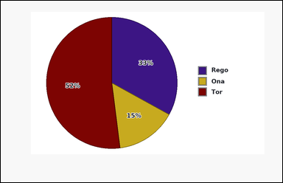 | 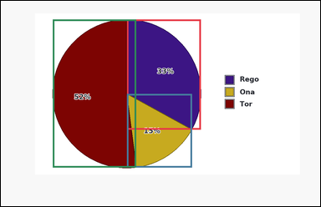 | task_charts_composition_subset_value | combined_share_subset | You are given a composition chart: a pie chart with differently colored slices. A legend on the right maps each slice color to its label, and the relevant values are the percentages printed on the slices. Read the relevant composition values directly from the chart and answer the question. What total percentage do labels Ona and Tor contribute together? Return a valid JSON object with keys "evidence" and "answer" in that order. Evidence requirement: set "evidence" to an array [v1, v2, ...] listing the slice percentages in legend order for the whole chart. Answer format: set "answer" to the requested integer value. Example JSON: {"evidence":[18,27,22,33],"answer":45} | You are given a composition chart: a pie chart with differently colored slices. A legend on the right maps each slice color to its label, and the relevant values are the percentages printed on the slices. Read the relevant composition values directly from the chart and answer the question. What total percentage do labels Ona and Tor contribute together? Return a valid JSON object with key "answer". Answer: set "answer" to the requested integer value. Example JSON: {"answer":45} | {"evidence": [33, 15, 52], "answer": 67} | [33, 15, 52] | integer | integer_list | 334652521408012 | charts/task_charts_composition_subset_value/images/combined_share_subset/0002.png | charts/task_charts_composition_subset_value/data/combined_share_subset/0002.json
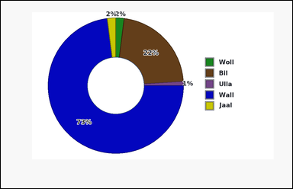 | 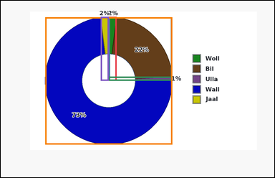 | task_charts_composition_subset_value | combined_share_subset | Look at the chart in the image. It shows a donut chart with differently colored slices. A legend on the right maps each slice color to its label, and the relevant values are the percentages printed on the slices. Use the printed segment or slice values to answer the composition question. What total percentage do labels Bil and Wall contribute together? Return a valid JSON object with keys "evidence" and "answer" in that order. Evidence: set "evidence" to an array [v1, v2, ...] listing the slice percentages in legend order for the whole chart. Answer: set "answer" to the requested integer value. Example JSON: {"evidence":[18,27,22,33],"answer":45} | Look at the chart in the image. It shows a donut chart with differently colored slices. A legend on the right maps each slice color to its label, and the relevant values are the percentages printed on the slices. Use the printed segment or slice values to answer the composition question. What total percentage do labels Bil and Wall contribute together? Return a valid JSON object with key "answer". Answer: set "answer" to the requested integer value. Example JSON: {"answer":45} | {"evidence": [2, 22, 1, 73, 2], "answer": 95} | [2, 22, 1, 73, 2] | integer | integer_list | 1.2311547355E+15 | charts/task_charts_composition_subset_value/images/combined_share_subset/0005.png | charts/task_charts_composition_subset_value/data/combined_share_subset/0005.json
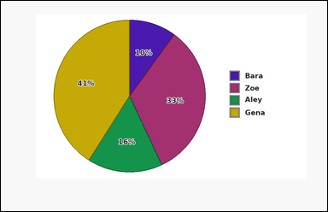 |  | task_charts_composition_subset_value | combined_share_subset | The image shows a pie chart with differently colored slices. A legend on the right maps each slice color to its label, and the relevant values are the percentages printed on the slices. Use the chart's printed segment or slice values to compute the answer. What percentage of the whole chart comes from labels Bara and Aley combined? Return a valid JSON object with keys "evidence" and "answer" in that order. Evidence field: set "evidence" to an array [v1, v2, ...] listing the slice percentages in legend order for the whole chart. Answer field: set "answer" to the requested integer value. Example JSON: {"evidence":[18,27,22,33],"answer":45} | The image shows a pie chart with differently colored slices. A legend on the right maps each slice color to its label, and the relevant values are the percentages printed on the slices. Use the chart's printed segment or slice values to compute the answer. What percentage of the whole chart comes from labels Bara and Aley combined? Return a valid JSON object with key "answer". Answer field: set "answer" to the requested integer value. Example JSON: {"answer":45} | {"evidence": [10, 33, 16, 41], "answer": 26} | [10, 33, 16, 41] | integer | integer_list | 1.481817129E+15 | charts/task_charts_composition_subset_value/images/combined_share_subset/0022.png | charts/task_charts_composition_subset_value/data/combined_share_subset/0022.json
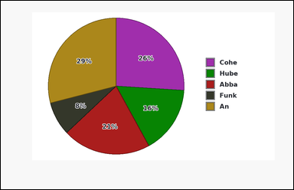 |  | task_charts_composition_subset_value | combined_share_subset | Look at the chart in the image. It shows a pie chart with differently colored slices. A legend on the right maps each slice color to its label, and the relevant values are the percentages printed on the slices. Use the chart's printed segment or slice values to compute the answer. What total percentage do labels Cohe and Funk contribute together? Return a valid JSON object with keys "evidence" and "answer" in that order. Evidence format: set "evidence" to an array [v1, v2, ...] listing the slice percentages in legend order for the whole chart. Answer requirement: set "answer" to the requested integer value. Example JSON: {"evidence":[18,27,22,33],"answer":45} | Look at the chart in the image. It shows a pie chart with differently colored slices. A legend on the right maps each slice color to its label, and the relevant values are the percentages printed on the slices. Use the chart's printed segment or slice values to compute the answer. What total percentage do labels Cohe and Funk contribute together? Return a valid JSON object with key "answer". Answer field: set "answer" to the requested integer value. Example JSON: {"answer":45} | {"evidence": [26, 16, 21, 8, 29], "answer": 34} | [26, 16, 21, 8, 29] | integer | integer_list | 1.5809694513E+15 | charts/task_charts_composition_subset_value/images/combined_share_subset/0006.png | charts/task_charts_composition_subset_value/data/combined_share_subset/0006.json
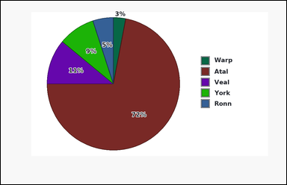 | 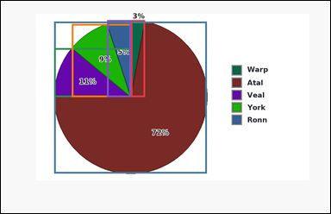 | task_charts_composition_subset_value | combined_share_subset | Look at the chart in the image. It shows a pie chart with differently colored slices. A legend on the right maps each slice color to its label, and the relevant values are the percentages printed on the slices. Answer the question using the printed values shown in the composition chart. Add the chart percentages for labels Warp and Atal. What total percentage do they contribute? Return a valid JSON object with keys "evidence" and "answer" in that order. Evidence field: set "evidence" to an array [v1, v2, ...] listing the slice percentages in legend order for the whole chart. Answer field: set "answer" to the requested integer value. Example JSON: {"evidence":[18,27,22,33],"answer":45} | Look at the chart in the image. It shows a pie chart with differently colored slices. A legend on the right maps each slice color to its label, and the relevant values are the percentages printed on the slices. Answer the question using the printed values shown in the composition chart. Add the chart percentages for labels Warp and Atal. What total percentage do they contribute? Return a valid JSON object with key "answer". Answer requirement: set "answer" to the requested integer value. Example JSON: {"answer":45} | {"evidence": [3, 72, 11, 9, 5], "answer": 75} | [3, 72, 11, 9, 5] | integer | integer_list | 2.6480269713E+15 | charts/task_charts_composition_subset_value/images/combined_share_subset/0008.png | charts/task_charts_composition_subset_value/data/combined_share_subset/0008.json
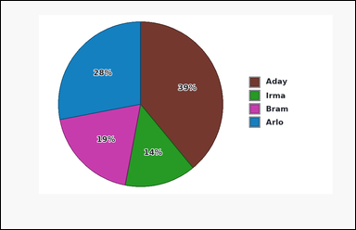 | 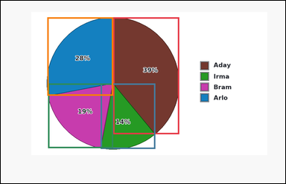 | task_charts_composition_subset_value | combined_share_subset | Use the composition chart in the image. It shows a pie chart with differently colored slices. A legend on the right maps each slice color to its label, and the relevant values are the percentages printed on the slices. Answer the question using the printed values shown in the composition chart. What combined percentage of the chart is contributed by labels Aday and Arlo? Return a valid JSON object with keys "evidence" and "answer" in that order. Evidence: set "evidence" to an array [v1, v2, ...] listing the slice percentages in legend order for the whole chart. Answer: set "answer" to the requested integer value. Example JSON: {"evidence":[18,27,22,33],"answer":45} | Use the composition chart in the image. It shows a pie chart with differently colored slices. A legend on the right maps each slice color to its label, and the relevant values are the percentages printed on the slices. Answer the question using the printed values shown in the composition chart. What combined percentage of the chart is contributed by labels Aday and Arlo? Return a valid JSON object with key "answer". Answer: set "answer" to the requested integer value. Example JSON: {"answer":45} | {"evidence": [39, 14, 19, 28], "answer": 67} | [39, 14, 19, 28] | integer | integer_list | 3.0662924629E+15 | charts/task_charts_composition_subset_value/images/combined_share_subset/0010.png | charts/task_charts_composition_subset_value/data/combined_share_subset/0010.json
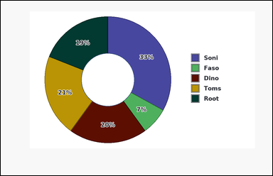 | 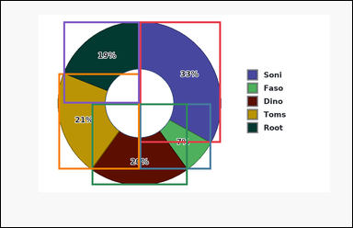 | task_charts_composition_subset_value | combined_share_subset | Use the composition chart in the image. It shows a donut chart with differently colored slices. A legend on the right maps each slice color to its label, and the relevant values are the percentages printed on the slices. Use the printed segment or slice values to answer the composition question. What percentage of the whole chart comes from labels Faso and Root combined? Return a valid JSON object with keys "evidence" and "answer" in that order. Evidence: set "evidence" to an array [v1, v2, ...] listing the slice percentages in legend order for the whole chart. Answer: set "answer" to the requested integer value. Example JSON: {"evidence":[18,27,22,33],"answer":45} | Use the composition chart in the image. It shows a donut chart with differently colored slices. A legend on the right maps each slice color to its label, and the relevant values are the percentages printed on the slices. Use the printed segment or slice values to answer the composition question. What percentage of the whole chart comes from labels Faso and Root combined? Return a valid JSON object with key "answer". Answer field: set "answer" to the requested integer value. Example JSON: {"answer":45} | {"evidence": [33, 7, 20, 21, 19], "answer": 26} | [33, 7, 20, 21, 19] | integer | integer_list | 3.0917411095E+15 | charts/task_charts_composition_subset_value/images/combined_share_subset/0004.png | charts/task_charts_composition_subset_value/data/combined_share_subset/0004.json
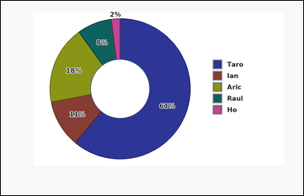 | 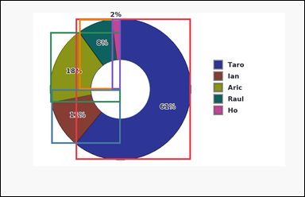 | task_charts_composition_subset_value | combined_share_subset | The image shows a donut chart with differently colored slices. A legend on the right maps each slice color to its label, and the relevant values are the percentages printed on the slices. Read the relevant composition values directly from the chart and answer the question. What total percentage do labels Raul and Ho contribute together? Return a valid JSON object with keys "evidence" and "answer" in that order. Evidence rule: set "evidence" to an array [v1, v2, ...] listing the slice percentages in legend order for the whole chart. Answer rule: set "answer" to the requested integer value. Example JSON: {"evidence":[18,27,22,33],"answer":45} | The image shows a donut chart with differently colored slices. A legend on the right maps each slice color to its label, and the relevant values are the percentages printed on the slices. Read the relevant composition values directly from the chart and answer the question. What total percentage do labels Raul and Ho contribute together? Return a valid JSON object with key "answer". Answer field: set "answer" to the requested integer value. Example JSON: {"answer":45} | {"evidence": [61, 11, 18, 8, 2], "answer": 10} | [61, 11, 18, 8, 2] | integer | integer_list | 3.1118401658E+15 | charts/task_charts_composition_subset_value/images/combined_share_subset/0015.png | charts/task_charts_composition_subset_value/data/combined_share_subset/0015.json
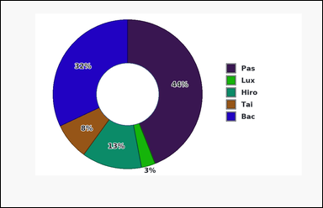 | 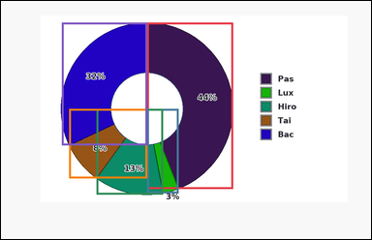 | task_charts_composition_subset_value | combined_share_subset | The image shows a donut chart with differently colored slices. A legend on the right maps each slice color to its label, and the relevant values are the percentages printed on the slices. Use the chart's printed segment or slice values to compute the answer. Using labels Lux and Tai, what combined share of the chart do they make up? Return a valid JSON object with keys "evidence" and "answer" in that order. Evidence rule: set "evidence" to an array [v1, v2, ...] listing the slice percentages in legend order for the whole chart. Answer rule: set "answer" to the requested integer value. Example JSON: {"evidence":[18,27,22,33],"answer":45} | The image shows a donut chart with differently colored slices. A legend on the right maps each slice color to its label, and the relevant values are the percentages printed on the slices. Use the chart's printed segment or slice values to compute the answer. Using labels Lux and Tai, what combined share of the chart do they make up? Return a valid JSON object with key "answer". Answer requirement: set "answer" to the requested integer value. Example JSON: {"answer":45} | {"evidence": [44, 3, 13, 8, 32], "answer": 11} | [44, 3, 13, 8, 32] | integer | integer_list | 3.1570501714E+15 | charts/task_charts_composition_subset_value/images/combined_share_subset/0013.png | charts/task_charts_composition_subset_value/data/combined_share_subset/0013.json
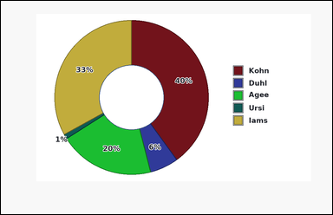 | 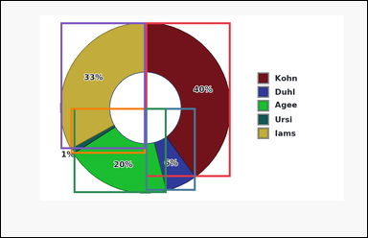 | task_charts_composition_subset_value | combined_share_subset | You are given a composition chart: a donut chart with differently colored slices. A legend on the right maps each slice color to its label, and the relevant values are the percentages printed on the slices. Read the relevant composition values directly from the chart and answer the question. What total percentage do labels Agee and Ursi contribute together? Return a valid JSON object with keys "evidence" and "answer" in that order. Evidence rule: set "evidence" to an array [v1, v2, ...] listing the slice percentages in legend order for the whole chart. Answer rule: set "answer" to the requested integer value. Example JSON: {"evidence":[18,27,22,33],"answer":45} | You are given a composition chart: a donut chart with differently colored slices. A legend on the right maps each slice color to its label, and the relevant values are the percentages printed on the slices. Read the relevant composition values directly from the chart and answer the question. What total percentage do labels Agee and Ursi contribute together? Return a valid JSON object with key "answer". Answer requirement: set "answer" to the requested integer value. Example JSON: {"answer":45} | {"evidence": [40, 6, 20, 1, 33], "answer": 21} | [40, 6, 20, 1, 33] | integer | integer_list | 3.1873973874E+15 | charts/task_charts_composition_subset_value/images/combined_share_subset/0016.png | charts/task_charts_composition_subset_value/data/combined_share_subset/0016.json
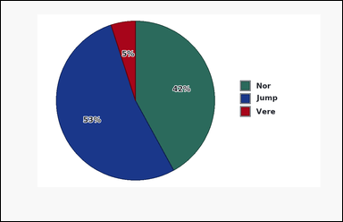 | 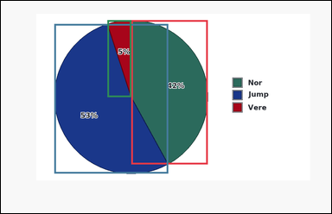 | task_charts_composition_subset_value | combined_share_subset | Look at the chart in the image. It shows a pie chart with differently colored slices. A legend on the right maps each slice color to its label, and the relevant values are the percentages printed on the slices. Use the printed segment or slice values to answer the composition question. What combined percentage of the chart is contributed by labels Nor and Jump? Return a valid JSON object with keys "evidence" and "answer" in that order. Evidence field: set "evidence" to an array [v1, v2, ...] listing the slice percentages in legend order for the whole chart. Answer field: set "answer" to the requested integer value. Example JSON: {"evidence":[18,27,22,33],"answer":45} | Look at the chart in the image. It shows a pie chart with differently colored slices. A legend on the right maps each slice color to its label, and the relevant values are the percentages printed on the slices. Use the printed segment or slice values to answer the composition question. What combined percentage of the chart is contributed by labels Nor and Jump? Return a valid JSON object with key "answer". Answer requirement: set "answer" to the requested integer value. Example JSON: {"answer":45} | {"evidence": [42, 53, 5], "answer": 95} | [42, 53, 5] | integer | integer_list | 3.5764558376E+15 | charts/task_charts_composition_subset_value/images/combined_share_subset/0021.png | charts/task_charts_composition_subset_value/data/combined_share_subset/0021.json
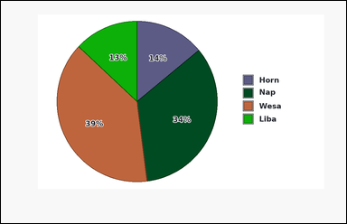 |  | task_charts_composition_subset_value | combined_share_subset | You are given a composition chart: a pie chart with differently colored slices. A legend on the right maps each slice color to its label, and the relevant values are the percentages printed on the slices. Read the composition values shown in the chart and answer the question. What combined percentage of the chart is contributed by labels Horn and Nap? Return a valid JSON object with keys "evidence" and "answer" in that order. Evidence requirement: set "evidence" to an array [v1, v2, ...] listing the slice percentages in legend order for the whole chart. Answer format: set "answer" to the requested integer value. Example JSON: {"evidence":[18,27,22,33],"answer":45} | You are given a composition chart: a pie chart with differently colored slices. A legend on the right maps each slice color to its label, and the relevant values are the percentages printed on the slices. Read the composition values shown in the chart and answer the question. What combined percentage of the chart is contributed by labels Horn and Nap? Return a valid JSON object with key "answer". Answer: set "answer" to the requested integer value. Example JSON: {"answer":45} | {"evidence": [14, 34, 39, 13], "answer": 48} | [14, 34, 39, 13] | integer | integer_list | 3.5827801733E+15 | charts/task_charts_composition_subset_value/images/combined_share_subset/0001.png | charts/task_charts_composition_subset_value/data/combined_share_subset/0001.json
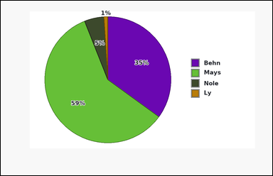 | 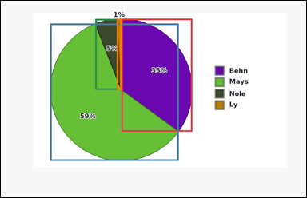 | task_charts_composition_subset_value | combined_share_subset | You are given a composition chart: a pie chart with differently colored slices. A legend on the right maps each slice color to its label, and the relevant values are the percentages printed on the slices. Answer the question using the printed values shown in the composition chart. What combined percentage of the chart is contributed by labels Behn and Mays? Return a valid JSON object with keys "evidence" and "answer" in that order. Evidence format: set "evidence" to an array [v1, v2, ...] listing the slice percentages in legend order for the whole chart. Answer requirement: set "answer" to the requested integer value. Example JSON: {"evidence":[18,27,22,33],"answer":45} | You are given a composition chart: a pie chart with differently colored slices. A legend on the right maps each slice color to its label, and the relevant values are the percentages printed on the slices. Answer the question using the printed values shown in the composition chart. What combined percentage of the chart is contributed by labels Behn and Mays? Return a valid JSON object with key "answer". Answer rule: set "answer" to the requested integer value. Example JSON: {"answer":45} | {"evidence": [35, 59, 5, 1], "answer": 94} | [35, 59, 5, 1] | integer | integer_list | 3.880428791E+15 | charts/task_charts_composition_subset_value/images/combined_share_subset/0007.png | charts/task_charts_composition_subset_value/data/combined_share_subset/0007.json
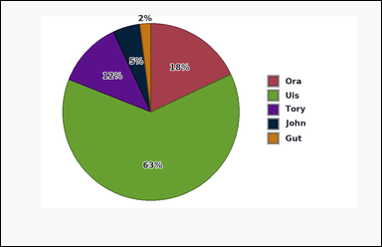 | 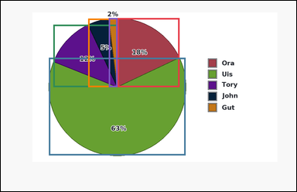 | task_charts_composition_subset_value | combined_share_subset | Look at the chart in the image. It shows a pie chart with differently colored slices. A legend on the right maps each slice color to its label, and the relevant values are the percentages printed on the slices. Use the printed segment or slice values to answer the composition question. What combined percentage of the chart is contributed by labels John and Gut? Return a valid JSON object with keys "evidence" and "answer" in that order. Evidence: set "evidence" to an array [v1, v2, ...] listing the slice percentages in legend order for the whole chart. Answer: set "answer" to the requested integer value. Example JSON: {"evidence":[18,27,22,33],"answer":45} | Look at the chart in the image. It shows a pie chart with differently colored slices. A legend on the right maps each slice color to its label, and the relevant values are the percentages printed on the slices. Use the printed segment or slice values to answer the composition question. What combined percentage of the chart is contributed by labels John and Gut? Return a valid JSON object with key "answer". Answer field: set "answer" to the requested integer value. Example JSON: {"answer":45} | {"evidence": [18, 63, 12, 5, 2], "answer": 7} | [18, 63, 12, 5, 2] | integer | integer_list | 4.1298833729E+15 | charts/task_charts_composition_subset_value/images/combined_share_subset/0023.png | charts/task_charts_composition_subset_value/data/combined_share_subset/0023.json
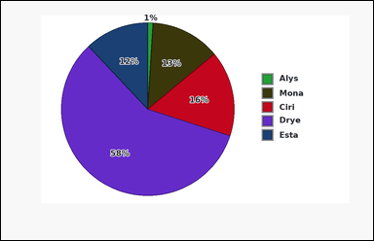 | 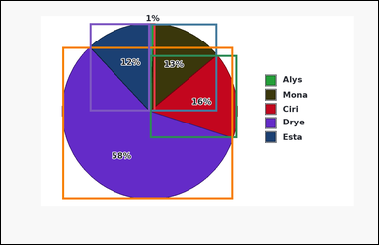 | task_charts_composition_subset_value | combined_share_subset | You are given a composition chart: a pie chart with differently colored slices. A legend on the right maps each slice color to its label, and the relevant values are the percentages printed on the slices. Use the printed segment or slice values to answer the composition question. Add the chart percentages for labels Mona and Drye. What total percentage do they contribute? Return a valid JSON object with keys "evidence" and "answer" in that order. Evidence field: set "evidence" to an array [v1, v2, ...] listing the slice percentages in legend order for the whole chart. Answer field: set "answer" to the requested integer value. Example JSON: {"evidence":[18,27,22,33],"answer":45} | You are given a composition chart: a pie chart with differently colored slices. A legend on the right maps each slice color to its label, and the relevant values are the percentages printed on the slices. Use the printed segment or slice values to answer the composition question. Add the chart percentages for labels Mona and Drye. What total percentage do they contribute? Return a valid JSON object with key "answer". Answer format: set "answer" to the requested integer value. Example JSON: {"answer":45} | {"evidence": [1, 13, 16, 58, 12], "answer": 71} | [1, 13, 16, 58, 12] | integer | integer_list | 4.4544661299E+15 | charts/task_charts_composition_subset_value/images/combined_share_subset/0011.png | charts/task_charts_composition_subset_value/data/combined_share_subset/0011.json
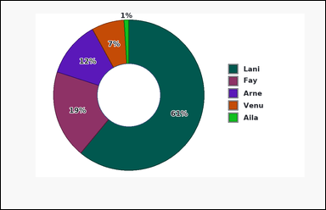 |  | task_charts_composition_subset_value | combined_share_subset | The image shows a donut chart with differently colored slices. A legend on the right maps each slice color to its label, and the relevant values are the percentages printed on the slices. Read the composition values shown in the chart and answer the question. What total percentage do labels Fay and Arne contribute together? Return a valid JSON object with keys "evidence" and "answer" in that order. Evidence format: set "evidence" to an array [v1, v2, ...] listing the slice percentages in legend order for the whole chart. Answer requirement: set "answer" to the requested integer value. Example JSON: {"evidence":[18,27,22,33],"answer":45} | The image shows a donut chart with differently colored slices. A legend on the right maps each slice color to its label, and the relevant values are the percentages printed on the slices. Read the composition values shown in the chart and answer the question. What total percentage do labels Fay and Arne contribute together? Return a valid JSON object with key "answer". Answer format: set "answer" to the requested integer value. Example JSON: {"answer":45} | {"evidence": [61, 19, 12, 7, 1], "answer": 31} | [61, 19, 12, 7, 1] | integer | integer_list | 4.7446773261E+15 | charts/task_charts_composition_subset_value/images/combined_share_subset/0009.png | charts/task_charts_composition_subset_value/data/combined_share_subset/0009.json
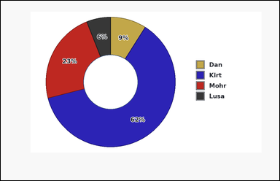 | 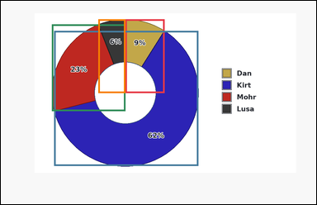 | task_charts_composition_subset_value | combined_share_subset | The image shows a donut chart with differently colored slices. A legend on the right maps each slice color to its label, and the relevant values are the percentages printed on the slices. Read the composition values shown in the chart and answer the question. Add the chart percentages for labels Mohr and Lusa. What total percentage do they contribute? Return a valid JSON object with keys "evidence" and "answer" in that order. Evidence: set "evidence" to an array [v1, v2, ...] listing the slice percentages in legend order for the whole chart. Answer: set "answer" to the requested integer value. Example JSON: {"evidence":[18,27,22,33],"answer":45} | The image shows a donut chart with differently colored slices. A legend on the right maps each slice color to its label, and the relevant values are the percentages printed on the slices. Read the composition values shown in the chart and answer the question. Add the chart percentages for labels Mohr and Lusa. What total percentage do they contribute? Return a valid JSON object with key "answer". Answer: set "answer" to the requested integer value. Example JSON: {"answer":45} | {"evidence": [9, 62, 23, 6], "answer": 29} | [9, 62, 23, 6] | integer | integer_list | 4.9646503834E+15 | charts/task_charts_composition_subset_value/images/combined_share_subset/0017.png | charts/task_charts_composition_subset_value/data/combined_share_subset/0017.json
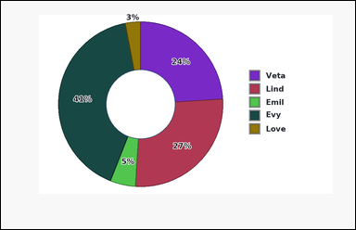 | 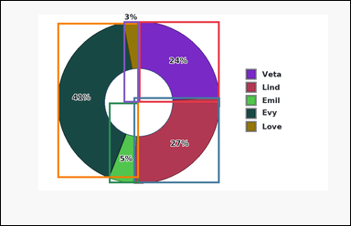 | task_charts_composition_subset_value | combined_share_subset | Work from the chart shown in the image: a donut chart with differently colored slices. A legend on the right maps each slice color to its label, and the relevant values are the percentages printed on the slices. Use the printed segment or slice values to answer the composition question. What total percentage do labels Lind and Love contribute together? Return a valid JSON object with keys "evidence" and "answer" in that order. Evidence format: set "evidence" to an array [v1, v2, ...] listing the slice percentages in legend order for the whole chart. Answer requirement: set "answer" to the requested integer value. Example JSON: {"evidence":[18,27,22,33],"answer":45} | Work from the chart shown in the image: a donut chart with differently colored slices. A legend on the right maps each slice color to its label, and the relevant values are the percentages printed on the slices. Use the printed segment or slice values to answer the composition question. What total percentage do labels Lind and Love contribute together? Return a valid JSON object with key "answer". Answer field: set "answer" to the requested integer value. Example JSON: {"answer":45} | {"evidence": [24, 27, 5, 41, 3], "answer": 30} | [24, 27, 5, 41, 3] | integer | integer_list | 5.447617089E+15 | charts/task_charts_composition_subset_value/images/combined_share_subset/0000.png | charts/task_charts_composition_subset_value/data/combined_share_subset/0000.json
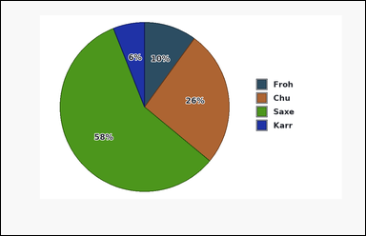 | 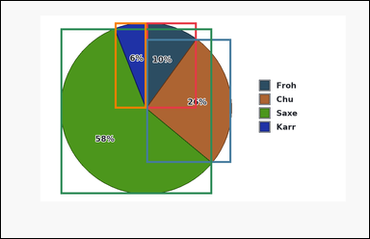 | task_charts_composition_subset_value | combined_share_subset | Look at the chart in the image. It shows a pie chart with differently colored slices. A legend on the right maps each slice color to its label, and the relevant values are the percentages printed on the slices. Use the chart's printed segment or slice values to compute the answer. What percentage of the whole chart comes from labels Froh and Karr combined? Return a valid JSON object with keys "evidence" and "answer" in that order. Evidence field: set "evidence" to an array [v1, v2, ...] listing the slice percentages in legend order for the whole chart. Answer field: set "answer" to the requested integer value. Example JSON: {"evidence":[18,27,22,33],"answer":45} | Look at the chart in the image. It shows a pie chart with differently colored slices. A legend on the right maps each slice color to its label, and the relevant values are the percentages printed on the slices. Use the chart's printed segment or slice values to compute the answer. What percentage of the whole chart comes from labels Froh and Karr combined? Return a valid JSON object with key "answer". Answer field: set "answer" to the requested integer value. Example JSON: {"answer":45} | {"evidence": [10, 26, 58, 6], "answer": 16} | [10, 26, 58, 6] | integer | integer_list | 5.9600186296E+15 | charts/task_charts_composition_subset_value/images/combined_share_subset/0018.png | charts/task_charts_composition_subset_value/data/combined_share_subset/0018.json
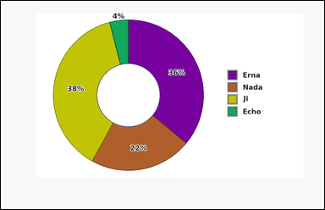 | 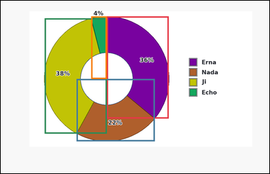 | task_charts_composition_subset_value | combined_share_subset | You are given a composition chart: a donut chart with differently colored slices. A legend on the right maps each slice color to its label, and the relevant values are the percentages printed on the slices. Read the relevant composition values directly from the chart and answer the question. What combined percentage of the chart is contributed by labels Erna and Ji? Return a valid JSON object with keys "evidence" and "answer" in that order. Evidence format: set "evidence" to an array [v1, v2, ...] listing the slice percentages in legend order for the whole chart. Answer requirement: set "answer" to the requested integer value. Example JSON: {"evidence":[18,27,22,33],"answer":45} | You are given a composition chart: a donut chart with differently colored slices. A legend on the right maps each slice color to its label, and the relevant values are the percentages printed on the slices. Read the relevant composition values directly from the chart and answer the question. What combined percentage of the chart is contributed by labels Erna and Ji? Return a valid JSON object with key "answer". Answer field: set "answer" to the requested integer value. Example JSON: {"answer":45} | {"evidence": [36, 22, 38, 4], "answer": 74} | [36, 22, 38, 4] | integer | integer_list | 6.4300990851E+15 | charts/task_charts_composition_subset_value/images/combined_share_subset/0019.png | charts/task_charts_composition_subset_value/data/combined_share_subset/0019.json
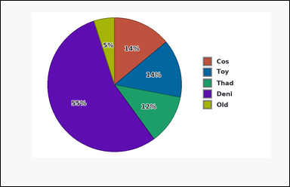 | 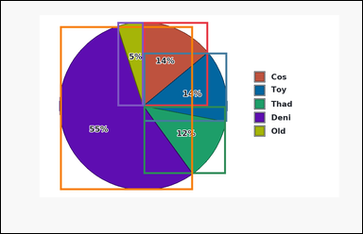 | task_charts_composition_subset_value | combined_share_subset | Use the composition chart in the image. It shows a pie chart with differently colored slices. A legend on the right maps each slice color to its label, and the relevant values are the percentages printed on the slices. Read the composition values shown in the chart and answer the question. Add the chart percentages for labels Toy and Old. What total percentage do they contribute? Return a valid JSON object with keys "evidence" and "answer" in that order. Evidence format: set "evidence" to an array [v1, v2, ...] listing the slice percentages in legend order for the whole chart. Answer requirement: set "answer" to the requested integer value. Example JSON: {"evidence":[18,27,22,33],"answer":45} | Use the composition chart in the image. It shows a pie chart with differently colored slices. A legend on the right maps each slice color to its label, and the relevant values are the percentages printed on the slices. Read the composition values shown in the chart and answer the question. Add the chart percentages for labels Toy and Old. What total percentage do they contribute? Return a valid JSON object with key "answer". Answer format: set "answer" to the requested integer value. Example JSON: {"answer":45} | {"evidence": [14, 14, 12, 55, 5], "answer": 19} | [14, 14, 12, 55, 5] | integer | integer_list | 6.6393314539E+15 | charts/task_charts_composition_subset_value/images/combined_share_subset/0024.png | charts/task_charts_composition_subset_value/data/combined_share_subset/0024.json
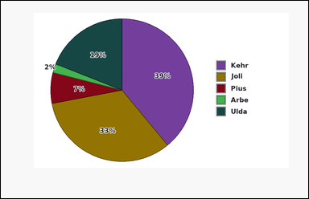 | 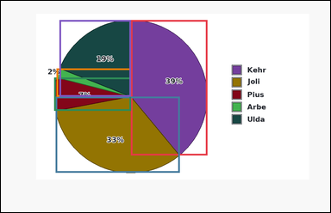 | task_charts_composition_subset_value | combined_share_subset | You are given a composition chart: a pie chart with differently colored slices. A legend on the right maps each slice color to its label, and the relevant values are the percentages printed on the slices. Read the relevant composition values directly from the chart and answer the question. Add the chart percentages for labels Kehr and Joli. What total percentage do they contribute? Return a valid JSON object with keys "evidence" and "answer" in that order. Evidence: set "evidence" to an array [v1, v2, ...] listing the slice percentages in legend order for the whole chart. Answer: set "answer" to the requested integer value. Example JSON: {"evidence":[18,27,22,33],"answer":45} | You are given a composition chart: a pie chart with differently colored slices. A legend on the right maps each slice color to its label, and the relevant values are the percentages printed on the slices. Read the relevant composition values directly from the chart and answer the question. Add the chart percentages for labels Kehr and Joli. What total percentage do they contribute? Return a valid JSON object with key "answer". Answer format: set "answer" to the requested integer value. Example JSON: {"answer":45} | {"evidence": [39, 33, 7, 2, 19], "answer": 72} | [39, 33, 7, 2, 19] | integer | integer_list | 7.0121641652E+15 | charts/task_charts_composition_subset_value/images/combined_share_subset/0012.png | charts/task_charts_composition_subset_value/data/combined_share_subset/0012.json
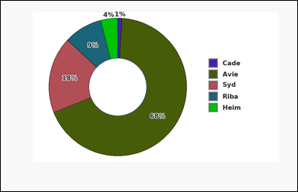 | 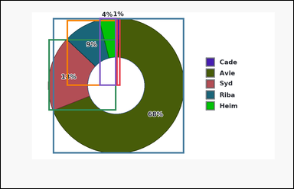 | task_charts_composition_subset_value | combined_share_subset | Use the composition chart in the image. It shows a donut chart with differently colored slices. A legend on the right maps each slice color to its label, and the relevant values are the percentages printed on the slices. Read the composition values shown in the chart and answer the question. Using labels Avie and Syd, what combined share of the chart do they make up? Return a valid JSON object with keys "evidence" and "answer" in that order. Evidence field: set "evidence" to an array [v1, v2, ...] listing the slice percentages in legend order for the whole chart. Answer field: set "answer" to the requested integer value. Example JSON: {"evidence":[18,27,22,33],"answer":45} | Use the composition chart in the image. It shows a donut chart with differently colored slices. A legend on the right maps each slice color to its label, and the relevant values are the percentages printed on the slices. Read the composition values shown in the chart and answer the question. Using labels Avie and Syd, what combined share of the chart do they make up? Return a valid JSON object with key "answer". Answer format: set "answer" to the requested integer value. Example JSON: {"answer":45} | {"evidence": [1, 68, 18, 9, 4], "answer": 86} | [1, 68, 18, 9, 4] | integer | integer_list | 7.194799684E+15 | charts/task_charts_composition_subset_value/images/combined_share_subset/0020.png | charts/task_charts_composition_subset_value/data/combined_share_subset/0020.json
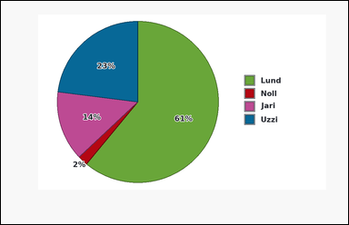 | 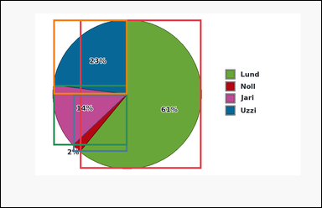 | task_charts_composition_subset_value | combined_share_subset | Use the composition chart in the image. It shows a pie chart with differently colored slices. A legend on the right maps each slice color to its label, and the relevant values are the percentages printed on the slices. Read the composition values shown in the chart and answer the question. Using labels Noll and Uzzi, what combined share of the chart do they make up? Return a valid JSON object with keys "evidence" and "answer" in that order. Evidence format: set "evidence" to an array [v1, v2, ...] listing the slice percentages in legend order for the whole chart. Answer requirement: set "answer" to the requested integer value. Example JSON: {"evidence":[18,27,22,33],"answer":45} | Use the composition chart in the image. It shows a pie chart with differently colored slices. A legend on the right maps each slice color to its label, and the relevant values are the percentages printed on the slices. Read the composition values shown in the chart and answer the question. Using labels Noll and Uzzi, what combined share of the chart do they make up? Return a valid JSON object with key "answer". Answer format: set "answer" to the requested integer value. Example JSON: {"answer":45} | {"evidence": [61, 2, 14, 23], "answer": 25} | [61, 2, 14, 23] | integer | integer_list | 7.3466591436E+15 | charts/task_charts_composition_subset_value/images/combined_share_subset/0003.png | charts/task_charts_composition_subset_value/data/combined_share_subset/0003.json
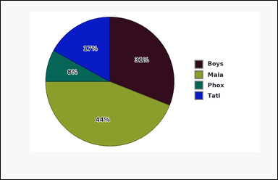 | 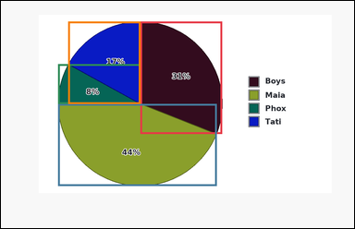 | task_charts_composition_subset_value | combined_share_subset | You are given a composition chart: a pie chart with differently colored slices. A legend on the right maps each slice color to its label, and the relevant values are the percentages printed on the slices. Read the relevant composition values directly from the chart and answer the question. Using labels Boys and Phox, what combined share of the chart do they make up? Return a valid JSON object with keys "evidence" and "answer" in that order. Evidence requirement: set "evidence" to an array [v1, v2, ...] listing the slice percentages in legend order for the whole chart. Answer format: set "answer" to the requested integer value. Example JSON: {"evidence":[18,27,22,33],"answer":45} | You are given a composition chart: a pie chart with differently colored slices. A legend on the right maps each slice color to its label, and the relevant values are the percentages printed on the slices. Read the relevant composition values directly from the chart and answer the question. Using labels Boys and Phox, what combined share of the chart do they make up? Return a valid JSON object with key "answer". Answer format: set "answer" to the requested integer value. Example JSON: {"answer":45} | {"evidence": [31, 44, 8, 17], "answer": 39} | [31, 44, 8, 17] | integer | integer_list | 7.416873348E+15 | charts/task_charts_composition_subset_value/images/combined_share_subset/0014.png | charts/task_charts_composition_subset_value/data/combined_share_subset/0014.json

stack_segment_value
image | evidence_image | task | task_variant | prompt | prompt_answer_only | answer | answer_evidence | answer_type | evidence_type | instance_seed | image_path | data_path
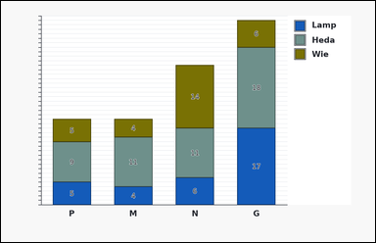 |  | task_charts_composition_subset_value | stack_segment_value | You are given a composition chart: a stacked bar chart. Each category has one bar divided into differently colored segments, a legend on the right maps segment colors to segment labels, and the integer segment values are printed inside the segments. Use the chart's printed segment or slice values to compute the answer. At category G, what is the value of the Lamp segment? Return a valid JSON object with keys "evidence" and "answer" in that order. Evidence: set "evidence" to an array [v1, v2, ...] listing the segment values in legend order for the queried stack. Answer: set "answer" to the requested integer value. Example JSON: {"evidence":[6,9,5],"answer":9} | You are given a composition chart: a stacked bar chart. Each category has one bar divided into differently colored segments, a legend on the right maps segment colors to segment labels, and the integer segment values are printed inside the segments. Use the chart's printed segment or slice values to compute the answer. At category G, what is the value of the Lamp segment? Return a valid JSON object with key "answer". Answer requirement: set "answer" to the requested integer value. Example JSON: {"answer":9} | {"evidence": [17, 18, 6], "answer": 17} | [17, 18, 6] | integer | integer_list | 19959767876979 | charts/task_charts_composition_subset_value/images/stack_segment_value/0021.png | charts/task_charts_composition_subset_value/data/stack_segment_value/0021.json
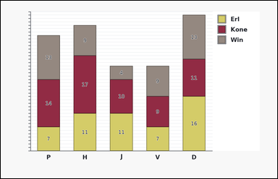 | 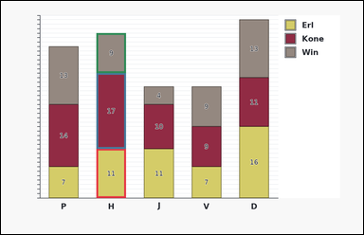 | task_charts_composition_subset_value | stack_segment_value | The image shows a stacked bar chart. Each category has one bar divided into differently colored segments, a legend on the right maps segment colors to segment labels, and the integer segment values are printed inside the segments. Use the printed segment or slice values to answer the composition question. Within the stack at category H, what is the value of segment Erl? Return a valid JSON object with keys "evidence" and "answer" in that order. Evidence format: set "evidence" to an array [v1, v2, ...] listing the segment values in legend order for the queried stack. Answer requirement: set "answer" to the requested integer value. Example JSON: {"evidence":[6,9,5],"answer":9} | The image shows a stacked bar chart. Each category has one bar divided into differently colored segments, a legend on the right maps segment colors to segment labels, and the integer segment values are printed inside the segments. Use the printed segment or slice values to answer the composition question. Within the stack at category H, what is the value of segment Erl? Return a valid JSON object with key "answer". Answer requirement: set "answer" to the requested integer value. Example JSON: {"answer":9} | {"evidence": [11, 17, 9], "answer": 11} | [11, 17, 9] | integer | integer_list | 1.0725478965E+15 | charts/task_charts_composition_subset_value/images/stack_segment_value/0017.png | charts/task_charts_composition_subset_value/data/stack_segment_value/0017.json
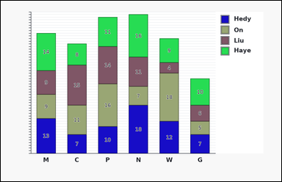 |  | task_charts_composition_subset_value | stack_segment_value | Look at the chart in the image. It shows a stacked bar chart. Each category has one bar divided into differently colored segments, a legend on the right maps segment colors to segment labels, and the integer segment values are printed inside the segments. Read the composition values shown in the chart and answer the question. Using category P, what value belongs to the On segment? Return a valid JSON object with keys "evidence" and "answer" in that order. Evidence requirement: set "evidence" to an array [v1, v2, ...] listing the segment values in legend order for the queried stack. Answer format: set "answer" to the requested integer value. Example JSON: {"evidence":[6,9,5],"answer":9} | Look at the chart in the image. It shows a stacked bar chart. Each category has one bar divided into differently colored segments, a legend on the right maps segment colors to segment labels, and the integer segment values are printed inside the segments. Read the composition values shown in the chart and answer the question. Using category P, what value belongs to the On segment? Return a valid JSON object with key "answer". Answer: set "answer" to the requested integer value. Example JSON: {"answer":9} | {"evidence": [10, 16, 14, 11], "answer": 16} | [10, 16, 14, 11] | integer | integer_list | 1.255457688E+15 | charts/task_charts_composition_subset_value/images/stack_segment_value/0006.png | charts/task_charts_composition_subset_value/data/stack_segment_value/0006.json
 |  | task_charts_composition_subset_value | stack_segment_value | Use the composition chart in the image. It shows a stacked horizontal bar chart. Each category has one horizontal bar divided into differently colored segments, a legend on the right maps segment colors to segment labels, and the integer segment values are printed inside the segments. Read the composition values shown in the chart and answer the question. Using category P, what value belongs to the Arda segment? Return a valid JSON object with keys "evidence" and "answer" in that order. Evidence requirement: set "evidence" to an array [v1, v2, ...] listing the segment values in legend order for the queried stack. Answer format: set "answer" to the requested integer value. Example JSON: {"evidence":[6,9,5],"answer":9} | Use the composition chart in the image. It shows a stacked horizontal bar chart. Each category has one horizontal bar divided into differently colored segments, a legend on the right maps segment colors to segment labels, and the integer segment values are printed inside the segments. Read the composition values shown in the chart and answer the question. Using category P, what value belongs to the Arda segment? Return a valid JSON object with key "answer". Answer field: set "answer" to the requested integer value. Example JSON: {"answer":9} | {"evidence": [6, 13, 12], "answer": 12} | [6, 13, 12] | integer | integer_list | 1.6768920884E+15 | charts/task_charts_composition_subset_value/images/stack_segment_value/0009.png | charts/task_charts_composition_subset_value/data/stack_segment_value/0009.json
 |  | task_charts_composition_subset_value | stack_segment_value | The image shows a stacked bar chart. Each category has one bar divided into differently colored segments, a legend on the right maps segment colors to segment labels, and the integer segment values are printed inside the segments. Answer the question using the printed values shown in the composition chart. At category H, what is the value of the Orna segment? Return a valid JSON object with keys "evidence" and "answer" in that order. Evidence format: set "evidence" to an array [v1, v2, ...] listing the segment values in legend order for the queried stack. Answer requirement: set "answer" to the requested integer value. Example JSON: {"evidence":[6,9,5],"answer":9} | The image shows a stacked bar chart. Each category has one bar divided into differently colored segments, a legend on the right maps segment colors to segment labels, and the integer segment values are printed inside the segments. Answer the question using the printed values shown in the composition chart. At category H, what is the value of the Orna segment? Return a valid JSON object with key "answer". Answer: set "answer" to the requested integer value. Example JSON: {"answer":9} | {"evidence": [4, 15, 15], "answer": 15} | [4, 15, 15] | integer | integer_list | 1.7893755103E+15 | charts/task_charts_composition_subset_value/images/stack_segment_value/0000.png | charts/task_charts_composition_subset_value/data/stack_segment_value/0000.json
 |  | task_charts_composition_subset_value | stack_segment_value | Work from the chart shown in the image: a stacked bar chart. Each category has one bar divided into differently colored segments, a legend on the right maps segment colors to segment labels, and the integer segment values are printed inside the segments. Answer the question using the printed values shown in the composition chart. For category T, what value is shown for the Fu segment? Return a valid JSON object with keys "evidence" and "answer" in that order. Evidence field: set "evidence" to an array [v1, v2, ...] listing the segment values in legend order for the queried stack. Answer field: set "answer" to the requested integer value. Example JSON: {"evidence":[6,9,5],"answer":9} | Work from the chart shown in the image: a stacked bar chart. Each category has one bar divided into differently colored segments, a legend on the right maps segment colors to segment labels, and the integer segment values are printed inside the segments. Answer the question using the printed values shown in the composition chart. For category T, what value is shown for the Fu segment? Return a valid JSON object with key "answer". Answer format: set "answer" to the requested integer value. Example JSON: {"answer":9} | {"evidence": [9, 14, 14], "answer": 9} | [9, 14, 14] | integer | integer_list | 1.9341653159E+15 | charts/task_charts_composition_subset_value/images/stack_segment_value/0020.png | charts/task_charts_composition_subset_value/data/stack_segment_value/0020.json
 |  | task_charts_composition_subset_value | stack_segment_value | Work from the chart shown in the image: a stacked horizontal bar chart. Each category has one horizontal bar divided into differently colored segments, a legend on the right maps segment colors to segment labels, and the integer segment values are printed inside the segments. Use the chart's printed segment or slice values to compute the answer. Within the stack at category X, what is the value of segment Olen? Return a valid JSON object with keys "evidence" and "answer" in that order. Evidence field: set "evidence" to an array [v1, v2, ...] listing the segment values in legend order for the queried stack. Answer field: set "answer" to the requested integer value. Example JSON: {"evidence":[6,9,5],"answer":9} | Work from the chart shown in the image: a stacked horizontal bar chart. Each category has one horizontal bar divided into differently colored segments, a legend on the right maps segment colors to segment labels, and the integer segment values are printed inside the segments. Use the chart's printed segment or slice values to compute the answer. Within the stack at category X, what is the value of segment Olen? Return a valid JSON object with key "answer". Answer: set "answer" to the requested integer value. Example JSON: {"answer":9} | {"evidence": [12, 18, 17, 18, 15], "answer": 12} | [12, 18, 17, 18, 15] | integer | integer_list | 2.0963924782E+15 | charts/task_charts_composition_subset_value/images/stack_segment_value/0001.png | charts/task_charts_composition_subset_value/data/stack_segment_value/0001.json
 |  | task_charts_composition_subset_value | stack_segment_value | You are given a composition chart: a stacked horizontal bar chart. Each category has one horizontal bar divided into differently colored segments, a legend on the right maps segment colors to segment labels, and the integer segment values are printed inside the segments. Use the printed segment or slice values to answer the composition question. Read the Adin segment at category W. What value does it have? Return a valid JSON object with keys "evidence" and "answer" in that order. Evidence requirement: set "evidence" to an array [v1, v2, ...] listing the segment values in legend order for the queried stack. Answer format: set "answer" to the requested integer value. Example JSON: {"evidence":[6,9,5],"answer":9} | You are given a composition chart: a stacked horizontal bar chart. Each category has one horizontal bar divided into differently colored segments, a legend on the right maps segment colors to segment labels, and the integer segment values are printed inside the segments. Use the printed segment or slice values to answer the composition question. Read the Adin segment at category W. What value does it have? Return a valid JSON object with key "answer". Answer format: set "answer" to the requested integer value. Example JSON: {"answer":9} | {"evidence": [18, 4, 7, 10], "answer": 10} | [18, 4, 7, 10] | integer | integer_list | 3.0078305445E+15 | charts/task_charts_composition_subset_value/images/stack_segment_value/0016.png | charts/task_charts_composition_subset_value/data/stack_segment_value/0016.json
 |  | task_charts_composition_subset_value | stack_segment_value | Work from the chart shown in the image: a stacked bar chart. Each category has one bar divided into differently colored segments, a legend on the right maps segment colors to segment labels, and the integer segment values are printed inside the segments. Read the composition values shown in the chart and answer the question. For category U, what value is shown for the Syl segment? Return a valid JSON object with keys "evidence" and "answer" in that order. Evidence rule: set "evidence" to an array [v1, v2, ...] listing the segment values in legend order for the queried stack. Answer rule: set "answer" to the requested integer value. Example JSON: {"evidence":[6,9,5],"answer":9} | Work from the chart shown in the image: a stacked bar chart. Each category has one bar divided into differently colored segments, a legend on the right maps segment colors to segment labels, and the integer segment values are printed inside the segments. Read the composition values shown in the chart and answer the question. For category U, what value is shown for the Syl segment? Return a valid JSON object with key "answer". Answer: set "answer" to the requested integer value. Example JSON: {"answer":9} | {"evidence": [14, 14, 4, 12, 14], "answer": 4} | [14, 14, 4, 12, 14] | integer | integer_list | 3.4207093545E+15 | charts/task_charts_composition_subset_value/images/stack_segment_value/0008.png | charts/task_charts_composition_subset_value/data/stack_segment_value/0008.json
 |  | task_charts_composition_subset_value | stack_segment_value | You are given a composition chart: a stacked horizontal bar chart. Each category has one horizontal bar divided into differently colored segments, a legend on the right maps segment colors to segment labels, and the integer segment values are printed inside the segments. Read the composition values shown in the chart and answer the question. Within the stack at category D, what is the value of segment Bibi? Return a valid JSON object with keys "evidence" and "answer" in that order. Evidence format: set "evidence" to an array [v1, v2, ...] listing the segment values in legend order for the queried stack. Answer requirement: set "answer" to the requested integer value. Example JSON: {"evidence":[6,9,5],"answer":9} | You are given a composition chart: a stacked horizontal bar chart. Each category has one horizontal bar divided into differently colored segments, a legend on the right maps segment colors to segment labels, and the integer segment values are printed inside the segments. Read the composition values shown in the chart and answer the question. Within the stack at category D, what is the value of segment Bibi? Return a valid JSON object with key "answer". Answer field: set "answer" to the requested integer value. Example JSON: {"answer":9} | {"evidence": [15, 11, 7], "answer": 15} | [15, 11, 7] | integer | integer_list | 3.6708055249E+15 | charts/task_charts_composition_subset_value/images/stack_segment_value/0010.png | charts/task_charts_composition_subset_value/data/stack_segment_value/0010.json
 |  | task_charts_composition_subset_value | stack_segment_value | You are given a composition chart: a stacked horizontal bar chart. Each category has one horizontal bar divided into differently colored segments, a legend on the right maps segment colors to segment labels, and the integer segment values are printed inside the segments. Answer the question using the printed values shown in the composition chart. Using category C, what value belongs to the Hump segment? Return a valid JSON object with keys "evidence" and "answer" in that order. Evidence rule: set "evidence" to an array [v1, v2, ...] listing the segment values in legend order for the queried stack. Answer rule: set "answer" to the requested integer value. Example JSON: {"evidence":[6,9,5],"answer":9} | You are given a composition chart: a stacked horizontal bar chart. Each category has one horizontal bar divided into differently colored segments, a legend on the right maps segment colors to segment labels, and the integer segment values are printed inside the segments. Answer the question using the printed values shown in the composition chart. Using category C, what value belongs to the Hump segment? Return a valid JSON object with key "answer". Answer field: set "answer" to the requested integer value. Example JSON: {"answer":9} | {"evidence": [5, 5, 10, 4, 8], "answer": 10} | [5, 5, 10, 4, 8] | integer | integer_list | 4.333603952E+15 | charts/task_charts_composition_subset_value/images/stack_segment_value/0007.png | charts/task_charts_composition_subset_value/data/stack_segment_value/0007.json
 |  | task_charts_composition_subset_value | stack_segment_value | The image shows a stacked bar chart. Each category has one bar divided into differently colored segments, a legend on the right maps segment colors to segment labels, and the integer segment values are printed inside the segments. Read the composition values shown in the chart and answer the question. For category B, what value is shown for the Sucy segment? Return a valid JSON object with keys "evidence" and "answer" in that order. Evidence format: set "evidence" to an array [v1, v2, ...] listing the segment values in legend order for the queried stack. Answer requirement: set "answer" to the requested integer value. Example JSON: {"evidence":[6,9,5],"answer":9} | The image shows a stacked bar chart. Each category has one bar divided into differently colored segments, a legend on the right maps segment colors to segment labels, and the integer segment values are printed inside the segments. Read the composition values shown in the chart and answer the question. For category B, what value is shown for the Sucy segment? Return a valid JSON object with key "answer". Answer requirement: set "answer" to the requested integer value. Example JSON: {"answer":9} | {"evidence": [7, 7, 13, 5, 10], "answer": 7} | [7, 7, 13, 5, 10] | integer | integer_list | 4.4184964169E+15 | charts/task_charts_composition_subset_value/images/stack_segment_value/0019.png | charts/task_charts_composition_subset_value/data/stack_segment_value/0019.json
 |  | task_charts_composition_subset_value | stack_segment_value | The image shows a stacked horizontal bar chart. Each category has one horizontal bar divided into differently colored segments, a legend on the right maps segment colors to segment labels, and the integer segment values are printed inside the segments. Use the printed segment or slice values to answer the composition question. For category D, what value is shown for the Pine segment? Return a valid JSON object with keys "evidence" and "answer" in that order. Evidence requirement: set "evidence" to an array [v1, v2, ...] listing the segment values in legend order for the queried stack. Answer format: set "answer" to the requested integer value. Example JSON: {"evidence":[6,9,5],"answer":9} | The image shows a stacked horizontal bar chart. Each category has one horizontal bar divided into differently colored segments, a legend on the right maps segment colors to segment labels, and the integer segment values are printed inside the segments. Use the printed segment or slice values to answer the composition question. For category D, what value is shown for the Pine segment? Return a valid JSON object with key "answer". Answer field: set "answer" to the requested integer value. Example JSON: {"answer":9} | {"evidence": [9, 7, 5, 11, 4], "answer": 11} | [9, 7, 5, 11, 4] | integer | integer_list | 4.8107053804E+15 | charts/task_charts_composition_subset_value/images/stack_segment_value/0004.png | charts/task_charts_composition_subset_value/data/stack_segment_value/0004.json
 |  | task_charts_composition_subset_value | stack_segment_value | Work from the chart shown in the image: a stacked horizontal bar chart. Each category has one horizontal bar divided into differently colored segments, a legend on the right maps segment colors to segment labels, and the integer segment values are printed inside the segments. Use the chart's printed segment or slice values to compute the answer. Using category C, what value belongs to the Ruff segment? Return a valid JSON object with keys "evidence" and "answer" in that order. Evidence requirement: set "evidence" to an array [v1, v2, ...] listing the segment values in legend order for the queried stack. Answer format: set "answer" to the requested integer value. Example JSON: {"evidence":[6,9,5],"answer":9} | Work from the chart shown in the image: a stacked horizontal bar chart. Each category has one horizontal bar divided into differently colored segments, a legend on the right maps segment colors to segment labels, and the integer segment values are printed inside the segments. Use the chart's printed segment or slice values to compute the answer. Using category C, what value belongs to the Ruff segment? Return a valid JSON object with key "answer". Answer requirement: set "answer" to the requested integer value. Example JSON: {"answer":9} | {"evidence": [6, 16, 17, 6, 15], "answer": 17} | [6, 16, 17, 6, 15] | integer | integer_list | 5.4125064545E+15 | charts/task_charts_composition_subset_value/images/stack_segment_value/0012.png | charts/task_charts_composition_subset_value/data/stack_segment_value/0012.json
 |  | task_charts_composition_subset_value | stack_segment_value | You are given a composition chart: a stacked bar chart. Each category has one bar divided into differently colored segments, a legend on the right maps segment colors to segment labels, and the integer segment values are printed inside the segments. Use the printed segment or slice values to answer the composition question. Read the Wil segment at category N. What value does it have? Return a valid JSON object with keys "evidence" and "answer" in that order. Evidence format: set "evidence" to an array [v1, v2, ...] listing the segment values in legend order for the queried stack. Answer requirement: set "answer" to the requested integer value. Example JSON: {"evidence":[6,9,5],"answer":9} | You are given a composition chart: a stacked bar chart. Each category has one bar divided into differently colored segments, a legend on the right maps segment colors to segment labels, and the integer segment values are printed inside the segments. Use the printed segment or slice values to answer the composition question. Read the Wil segment at category N. What value does it have? Return a valid JSON object with key "answer". Answer: set "answer" to the requested integer value. Example JSON: {"answer":9} | {"evidence": [5, 4, 11, 4], "answer": 4} | [5, 4, 11, 4] | integer | integer_list | 5.6898958919E+15 | charts/task_charts_composition_subset_value/images/stack_segment_value/0002.png | charts/task_charts_composition_subset_value/data/stack_segment_value/0002.json
 |  | task_charts_composition_subset_value | stack_segment_value | Work from the chart shown in the image: a stacked horizontal bar chart. Each category has one horizontal bar divided into differently colored segments, a legend on the right maps segment colors to segment labels, and the integer segment values are printed inside the segments. Read the composition values shown in the chart and answer the question. For category Y, what value is shown for the Kora segment? Return a valid JSON object with keys "evidence" and "answer" in that order. Evidence format: set "evidence" to an array [v1, v2, ...] listing the segment values in legend order for the queried stack. Answer requirement: set "answer" to the requested integer value. Example JSON: {"evidence":[6,9,5],"answer":9} | Work from the chart shown in the image: a stacked horizontal bar chart. Each category has one horizontal bar divided into differently colored segments, a legend on the right maps segment colors to segment labels, and the integer segment values are printed inside the segments. Read the composition values shown in the chart and answer the question. For category Y, what value is shown for the Kora segment? Return a valid JSON object with key "answer". Answer: set "answer" to the requested integer value. Example JSON: {"answer":9} | {"evidence": [18, 14, 17, 12], "answer": 17} | [18, 14, 17, 12] | integer | integer_list | 6.2145161749E+15 | charts/task_charts_composition_subset_value/images/stack_segment_value/0013.png | charts/task_charts_composition_subset_value/data/stack_segment_value/0013.json
 |  | task_charts_composition_subset_value | stack_segment_value | You are given a composition chart: a stacked horizontal bar chart. Each category has one horizontal bar divided into differently colored segments, a legend on the right maps segment colors to segment labels, and the integer segment values are printed inside the segments. Read the relevant composition values directly from the chart and answer the question. Using category P, what value belongs to the Ada segment? Return a valid JSON object with keys "evidence" and "answer" in that order. Evidence requirement: set "evidence" to an array [v1, v2, ...] listing the segment values in legend order for the queried stack. Answer format: set "answer" to the requested integer value. Example JSON: {"evidence":[6,9,5],"answer":9} | You are given a composition chart: a stacked horizontal bar chart. Each category has one horizontal bar divided into differently colored segments, a legend on the right maps segment colors to segment labels, and the integer segment values are printed inside the segments. Read the relevant composition values directly from the chart and answer the question. Using category P, what value belongs to the Ada segment? Return a valid JSON object with key "answer". Answer field: set "answer" to the requested integer value. Example JSON: {"answer":9} | {"evidence": [8, 5, 13], "answer": 13} | [8, 5, 13] | integer | integer_list | 6.2953790312E+15 | charts/task_charts_composition_subset_value/images/stack_segment_value/0023.png | charts/task_charts_composition_subset_value/data/stack_segment_value/0023.json
 |  | task_charts_composition_subset_value | stack_segment_value | Look at the chart in the image. It shows a stacked horizontal bar chart. Each category has one horizontal bar divided into differently colored segments, a legend on the right maps segment colors to segment labels, and the integer segment values are printed inside the segments. Use the printed segment or slice values to answer the composition question. Read the Etem segment at category J. What value does it have? Return a valid JSON object with keys "evidence" and "answer" in that order. Evidence format: set "evidence" to an array [v1, v2, ...] listing the segment values in legend order for the queried stack. Answer requirement: set "answer" to the requested integer value. Example JSON: {"evidence":[6,9,5],"answer":9} | Look at the chart in the image. It shows a stacked horizontal bar chart. Each category has one horizontal bar divided into differently colored segments, a legend on the right maps segment colors to segment labels, and the integer segment values are printed inside the segments. Use the printed segment or slice values to answer the composition question. Read the Etem segment at category J. What value does it have? Return a valid JSON object with key "answer". Answer requirement: set "answer" to the requested integer value. Example JSON: {"answer":9} | {"evidence": [15, 6, 5, 18, 7], "answer": 15} | [15, 6, 5, 18, 7] | integer | integer_list | 6.3582314252E+15 | charts/task_charts_composition_subset_value/images/stack_segment_value/0015.png | charts/task_charts_composition_subset_value/data/stack_segment_value/0015.json
 |  | task_charts_composition_subset_value | stack_segment_value | You are given a composition chart: a stacked bar chart. Each category has one bar divided into differently colored segments, a legend on the right maps segment colors to segment labels, and the integer segment values are printed inside the segments. Use the printed segment or slice values to answer the composition question. Read the Kaia segment at category M. What value does it have? Return a valid JSON object with keys "evidence" and "answer" in that order. Evidence rule: set "evidence" to an array [v1, v2, ...] listing the segment values in legend order for the queried stack. Answer rule: set "answer" to the requested integer value. Example JSON: {"evidence":[6,9,5],"answer":9} | You are given a composition chart: a stacked bar chart. Each category has one bar divided into differently colored segments, a legend on the right maps segment colors to segment labels, and the integer segment values are printed inside the segments. Use the printed segment or slice values to answer the composition question. Read the Kaia segment at category M. What value does it have? Return a valid JSON object with key "answer". Answer: set "answer" to the requested integer value. Example JSON: {"answer":9} | {"evidence": [9, 4, 6, 11, 16], "answer": 9} | [9, 4, 6, 11, 16] | integer | integer_list | 7.185383864E+15 | charts/task_charts_composition_subset_value/images/stack_segment_value/0022.png | charts/task_charts_composition_subset_value/data/stack_segment_value/0022.json
 |  | task_charts_composition_subset_value | stack_segment_value | Work from the chart shown in the image: a stacked bar chart. Each category has one bar divided into differently colored segments, a legend on the right maps segment colors to segment labels, and the integer segment values are printed inside the segments. Read the composition values shown in the chart and answer the question. Read the Yi segment at category G. What value does it have? Return a valid JSON object with keys "evidence" and "answer" in that order. Evidence: set "evidence" to an array [v1, v2, ...] listing the segment values in legend order for the queried stack. Answer: set "answer" to the requested integer value. Example JSON: {"evidence":[6,9,5],"answer":9} | Work from the chart shown in the image: a stacked bar chart. Each category has one bar divided into differently colored segments, a legend on the right maps segment colors to segment labels, and the integer segment values are printed inside the segments. Read the composition values shown in the chart and answer the question. Read the Yi segment at category G. What value does it have? Return a valid JSON object with key "answer". Answer format: set "answer" to the requested integer value. Example JSON: {"answer":9} | {"evidence": [5, 5, 13, 4], "answer": 4} | [5, 5, 13, 4] | integer | integer_list | 7.2438176235E+15 | charts/task_charts_composition_subset_value/images/stack_segment_value/0014.png | charts/task_charts_composition_subset_value/data/stack_segment_value/0014.json
 |  | task_charts_composition_subset_value | stack_segment_value | Use the composition chart in the image. It shows a stacked horizontal bar chart. Each category has one horizontal bar divided into differently colored segments, a legend on the right maps segment colors to segment labels, and the integer segment values are printed inside the segments. Answer the question using the printed values shown in the composition chart. Read the Jake segment at category A. What value does it have? Return a valid JSON object with keys "evidence" and "answer" in that order. Evidence: set "evidence" to an array [v1, v2, ...] listing the segment values in legend order for the queried stack. Answer: set "answer" to the requested integer value. Example JSON: {"evidence":[6,9,5],"answer":9} | Use the composition chart in the image. It shows a stacked horizontal bar chart. Each category has one horizontal bar divided into differently colored segments, a legend on the right maps segment colors to segment labels, and the integer segment values are printed inside the segments. Answer the question using the printed values shown in the composition chart. Read the Jake segment at category A. What value does it have? Return a valid JSON object with key "answer". Answer format: set "answer" to the requested integer value. Example JSON: {"answer":9} | {"evidence": [6, 18, 6, 15, 7], "answer": 6} | [6, 18, 6, 15, 7] | integer | integer_list | 8.2889625891E+15 | charts/task_charts_composition_subset_value/images/stack_segment_value/0024.png | charts/task_charts_composition_subset_value/data/stack_segment_value/0024.json
 |  | task_charts_composition_subset_value | stack_segment_value | Work from the chart shown in the image: a stacked bar chart. Each category has one bar divided into differently colored segments, a legend on the right maps segment colors to segment labels, and the integer segment values are printed inside the segments. Answer the question using the printed values shown in the composition chart. For category M, what value is shown for the Nye segment? Return a valid JSON object with keys "evidence" and "answer" in that order. Evidence format: set "evidence" to an array [v1, v2, ...] listing the segment values in legend order for the queried stack. Answer requirement: set "answer" to the requested integer value. Example JSON: {"evidence":[6,9,5],"answer":9} | Work from the chart shown in the image: a stacked bar chart. Each category has one bar divided into differently colored segments, a legend on the right maps segment colors to segment labels, and the integer segment values are printed inside the segments. Answer the question using the printed values shown in the composition chart. For category M, what value is shown for the Nye segment? Return a valid JSON object with key "answer". Answer requirement: set "answer" to the requested integer value. Example JSON: {"answer":9} | {"evidence": [13, 11, 14, 5, 9], "answer": 9} | [13, 11, 14, 5, 9] | integer | integer_list | 8.5327541627E+15 | charts/task_charts_composition_subset_value/images/stack_segment_value/0018.png | charts/task_charts_composition_subset_value/data/stack_segment_value/0018.json
 |  | task_charts_composition_subset_value | stack_segment_value | You are given a composition chart: a stacked horizontal bar chart. Each category has one horizontal bar divided into differently colored segments, a legend on the right maps segment colors to segment labels, and the integer segment values are printed inside the segments. Use the printed segment or slice values to answer the composition question. Read the Rivy segment at category Q. What value does it have? Return a valid JSON object with keys "evidence" and "answer" in that order. Evidence rule: set "evidence" to an array [v1, v2, ...] listing the segment values in legend order for the queried stack. Answer rule: set "answer" to the requested integer value. Example JSON: {"evidence":[6,9,5],"answer":9} | You are given a composition chart: a stacked horizontal bar chart. Each category has one horizontal bar divided into differently colored segments, a legend on the right maps segment colors to segment labels, and the integer segment values are printed inside the segments. Use the printed segment or slice values to answer the composition question. Read the Rivy segment at category Q. What value does it have? Return a valid JSON object with key "answer". Answer field: set "answer" to the requested integer value. Example JSON: {"answer":9} | {"evidence": [6, 16, 16, 4], "answer": 16} | [6, 16, 16, 4] | integer | integer_list | 8.5800607069E+15 | charts/task_charts_composition_subset_value/images/stack_segment_value/0003.png | charts/task_charts_composition_subset_value/data/stack_segment_value/0003.json
 |  | task_charts_composition_subset_value | stack_segment_value | Use the composition chart in the image. It shows a stacked bar chart. Each category has one bar divided into differently colored segments, a legend on the right maps segment colors to segment labels, and the integer segment values are printed inside the segments. Read the relevant composition values directly from the chart and answer the question. Read the Niko segment at category F. What value does it have? Return a valid JSON object with keys "evidence" and "answer" in that order. Evidence requirement: set "evidence" to an array [v1, v2, ...] listing the segment values in legend order for the queried stack. Answer format: set "answer" to the requested integer value. Example JSON: {"evidence":[6,9,5],"answer":9} | Use the composition chart in the image. It shows a stacked bar chart. Each category has one bar divided into differently colored segments, a legend on the right maps segment colors to segment labels, and the integer segment values are printed inside the segments. Read the relevant composition values directly from the chart and answer the question. Read the Niko segment at category F. What value does it have? Return a valid JSON object with key "answer". Answer field: set "answer" to the requested integer value. Example JSON: {"answer":9} | {"evidence": [11, 14, 5, 9, 11], "answer": 5} | [11, 14, 5, 9, 11] | integer | integer_list | 8.6622462326E+15 | charts/task_charts_composition_subset_value/images/stack_segment_value/0005.png | charts/task_charts_composition_subset_value/data/stack_segment_value/0005.json
 |  | task_charts_composition_subset_value | stack_segment_value | The image shows a stacked bar chart. Each category has one bar divided into differently colored segments, a legend on the right maps segment colors to segment labels, and the integer segment values are printed inside the segments. Read the composition values shown in the chart and answer the question. At category V, what is the value of the Hal segment? Return a valid JSON object with keys "evidence" and "answer" in that order. Evidence field: set "evidence" to an array [v1, v2, ...] listing the segment values in legend order for the queried stack. Answer field: set "answer" to the requested integer value. Example JSON: {"evidence":[6,9,5],"answer":9} | The image shows a stacked bar chart. Each category has one bar divided into differently colored segments, a legend on the right maps segment colors to segment labels, and the integer segment values are printed inside the segments. Read the composition values shown in the chart and answer the question. At category V, what is the value of the Hal segment? Return a valid JSON object with key "answer". Answer format: set "answer" to the requested integer value. Example JSON: {"answer":9} | {"evidence": [10, 11, 16, 12, 12], "answer": 16} | [10, 11, 16, 12, 12] | integer | integer_list | 8.9879522894E+15 | charts/task_charts_composition_subset_value/images/stack_segment_value/0011.png | charts/task_charts_composition_subset_value/data/stack_segment_value/0011.json

stack_total_at_label
image | evidence_image | task | task_variant | prompt | prompt_answer_only | answer | answer_evidence | answer_type | evidence_type | instance_seed | image_path | data_path
 |  | task_charts_composition_subset_value | stack_total_at_label | You are given a composition chart: a stacked bar chart. Each category has one bar divided into differently colored segments, a legend on the right maps segment colors to segment labels, and the integer segment values are printed inside the segments. Use the chart's printed segment or slice values to compute the answer. Using the stack at category K, what total do the segment values give? Return a valid JSON object with keys "evidence" and "answer" in that order. Evidence requirement: set "evidence" to an array [v1, v2, ...] listing the segment values in legend order for the queried stack. Answer format: set "answer" to the requested integer value. Example JSON: {"evidence":[6,9,5],"answer":20} | You are given a composition chart: a stacked bar chart. Each category has one bar divided into differently colored segments, a legend on the right maps segment colors to segment labels, and the integer segment values are printed inside the segments. Use the chart's printed segment or slice values to compute the answer. Using the stack at category K, what total do the segment values give? Return a valid JSON object with key "answer". Answer rule: set "answer" to the requested integer value. Example JSON: {"answer":20} | {"evidence": [12, 4, 4], "answer": 20} | [12, 4, 4] | integer | integer_list | 1.3113910239E+15 | charts/task_charts_composition_subset_value/images/stack_total_at_label/0006.png | charts/task_charts_composition_subset_value/data/stack_total_at_label/0006.json
 |  | task_charts_composition_subset_value | stack_total_at_label | Use the composition chart in the image. It shows a stacked bar chart. Each category has one bar divided into differently colored segments, a legend on the right maps segment colors to segment labels, and the integer segment values are printed inside the segments. Read the composition values shown in the chart and answer the question. At category U, what is the total value of the full stack? Return a valid JSON object with keys "evidence" and "answer" in that order. Evidence format: set "evidence" to an array [v1, v2, ...] listing the segment values in legend order for the queried stack. Answer requirement: set "answer" to the requested integer value. Example JSON: {"evidence":[6,9,5],"answer":20} | Use the composition chart in the image. It shows a stacked bar chart. Each category has one bar divided into differently colored segments, a legend on the right maps segment colors to segment labels, and the integer segment values are printed inside the segments. Read the composition values shown in the chart and answer the question. At category U, what is the total value of the full stack? Return a valid JSON object with key "answer". Answer: set "answer" to the requested integer value. Example JSON: {"answer":20} | {"evidence": [18, 17, 15, 18, 18], "answer": 86} | [18, 17, 15, 18, 18] | integer | integer_list | 1.4129750728E+15 | charts/task_charts_composition_subset_value/images/stack_total_at_label/0001.png | charts/task_charts_composition_subset_value/data/stack_total_at_label/0001.json
 |  | task_charts_composition_subset_value | stack_total_at_label | Work from the chart shown in the image: a stacked horizontal bar chart. Each category has one horizontal bar divided into differently colored segments, a legend on the right maps segment colors to segment labels, and the integer segment values are printed inside the segments. Answer the question using the printed values shown in the composition chart. Add the segment values in the stack at category N. What total do you get? Return a valid JSON object with keys "evidence" and "answer" in that order. Evidence rule: set "evidence" to an array [v1, v2, ...] listing the segment values in legend order for the queried stack. Answer rule: set "answer" to the requested integer value. Example JSON: {"evidence":[6,9,5],"answer":20} | Work from the chart shown in the image: a stacked horizontal bar chart. Each category has one horizontal bar divided into differently colored segments, a legend on the right maps segment colors to segment labels, and the integer segment values are printed inside the segments. Answer the question using the printed values shown in the composition chart. Add the segment values in the stack at category N. What total do you get? Return a valid JSON object with key "answer". Answer: set "answer" to the requested integer value. Example JSON: {"answer":20} | {"evidence": [7, 18, 16, 17], "answer": 58} | [7, 18, 16, 17] | integer | integer_list | 1.8427362311E+15 | charts/task_charts_composition_subset_value/images/stack_total_at_label/0015.png | charts/task_charts_composition_subset_value/data/stack_total_at_label/0015.json
 |  | task_charts_composition_subset_value | stack_total_at_label | Work from the chart shown in the image: a stacked horizontal bar chart. Each category has one horizontal bar divided into differently colored segments, a legend on the right maps segment colors to segment labels, and the integer segment values are printed inside the segments. Answer the question using the printed values shown in the composition chart. At category U, what is the total value of the full stack? Return a valid JSON object with keys "evidence" and "answer" in that order. Evidence: set "evidence" to an array [v1, v2, ...] listing the segment values in legend order for the queried stack. Answer: set "answer" to the requested integer value. Example JSON: {"evidence":[6,9,5],"answer":20} | Work from the chart shown in the image: a stacked horizontal bar chart. Each category has one horizontal bar divided into differently colored segments, a legend on the right maps segment colors to segment labels, and the integer segment values are printed inside the segments. Answer the question using the printed values shown in the composition chart. At category U, what is the total value of the full stack? Return a valid JSON object with key "answer". Answer format: set "answer" to the requested integer value. Example JSON: {"answer":20} | {"evidence": [18, 17, 18, 18, 18], "answer": 89} | [18, 17, 18, 18, 18] | integer | integer_list | 1.9716345075E+15 | charts/task_charts_composition_subset_value/images/stack_total_at_label/0004.png | charts/task_charts_composition_subset_value/data/stack_total_at_label/0004.json
 |  | task_charts_composition_subset_value | stack_total_at_label | You are given a composition chart: a stacked horizontal bar chart. Each category has one horizontal bar divided into differently colored segments, a legend on the right maps segment colors to segment labels, and the integer segment values are printed inside the segments. Use the printed segment or slice values to answer the composition question. Using the stack at category K, what total do the segment values give? Return a valid JSON object with keys "evidence" and "answer" in that order. Evidence rule: set "evidence" to an array [v1, v2, ...] listing the segment values in legend order for the queried stack. Answer rule: set "answer" to the requested integer value. Example JSON: {"evidence":[6,9,5],"answer":20} | You are given a composition chart: a stacked horizontal bar chart. Each category has one horizontal bar divided into differently colored segments, a legend on the right maps segment colors to segment labels, and the integer segment values are printed inside the segments. Use the printed segment or slice values to answer the composition question. Using the stack at category K, what total do the segment values give? Return a valid JSON object with key "answer". Answer requirement: set "answer" to the requested integer value. Example JSON: {"answer":20} | {"evidence": [9, 9, 16, 9], "answer": 43} | [9, 9, 16, 9] | integer | integer_list | 2.2208035414E+15 | charts/task_charts_composition_subset_value/images/stack_total_at_label/0011.png | charts/task_charts_composition_subset_value/data/stack_total_at_label/0011.json
 |  | task_charts_composition_subset_value | stack_total_at_label | Use the composition chart in the image. It shows a stacked bar chart. Each category has one bar divided into differently colored segments, a legend on the right maps segment colors to segment labels, and the integer segment values are printed inside the segments. Answer the question using the printed values shown in the composition chart. What is the total stack value at category D? Return a valid JSON object with keys "evidence" and "answer" in that order. Evidence: set "evidence" to an array [v1, v2, ...] listing the segment values in legend order for the queried stack. Answer: set "answer" to the requested integer value. Example JSON: {"evidence":[6,9,5],"answer":20} | Use the composition chart in the image. It shows a stacked bar chart. Each category has one bar divided into differently colored segments, a legend on the right maps segment colors to segment labels, and the integer segment values are printed inside the segments. Answer the question using the printed values shown in the composition chart. What is the total stack value at category D? Return a valid JSON object with key "answer". Answer field: set "answer" to the requested integer value. Example JSON: {"answer":20} | {"evidence": [17, 13, 16, 17, 15], "answer": 78} | [17, 13, 16, 17, 15] | integer | integer_list | 2.2260358704E+15 | charts/task_charts_composition_subset_value/images/stack_total_at_label/0010.png | charts/task_charts_composition_subset_value/data/stack_total_at_label/0010.json
 |  | task_charts_composition_subset_value | stack_total_at_label | Look at the chart in the image. It shows a stacked horizontal bar chart. Each category has one horizontal bar divided into differently colored segments, a legend on the right maps segment colors to segment labels, and the integer segment values are printed inside the segments. Answer the question using the printed values shown in the composition chart. What is the total stack value at category B? Return a valid JSON object with keys "evidence" and "answer" in that order. Evidence requirement: set "evidence" to an array [v1, v2, ...] listing the segment values in legend order for the queried stack. Answer format: set "answer" to the requested integer value. Example JSON: {"evidence":[6,9,5],"answer":20} | Look at the chart in the image. It shows a stacked horizontal bar chart. Each category has one horizontal bar divided into differently colored segments, a legend on the right maps segment colors to segment labels, and the integer segment values are printed inside the segments. Answer the question using the printed values shown in the composition chart. What is the total stack value at category B? Return a valid JSON object with key "answer". Answer format: set "answer" to the requested integer value. Example JSON: {"answer":20} | {"evidence": [16, 17, 16, 17, 18], "answer": 84} | [16, 17, 16, 17, 18] | integer | integer_list | 2.3612976595E+15 | charts/task_charts_composition_subset_value/images/stack_total_at_label/0022.png | charts/task_charts_composition_subset_value/data/stack_total_at_label/0022.json
 |  | task_charts_composition_subset_value | stack_total_at_label | You are given a composition chart: a stacked horizontal bar chart. Each category has one horizontal bar divided into differently colored segments, a legend on the right maps segment colors to segment labels, and the integer segment values are printed inside the segments. Use the printed segment or slice values to answer the composition question. Using the stack at category C, what total do the segment values give? Return a valid JSON object with keys "evidence" and "answer" in that order. Evidence rule: set "evidence" to an array [v1, v2, ...] listing the segment values in legend order for the queried stack. Answer rule: set "answer" to the requested integer value. Example JSON: {"evidence":[6,9,5],"answer":20} | You are given a composition chart: a stacked horizontal bar chart. Each category has one horizontal bar divided into differently colored segments, a legend on the right maps segment colors to segment labels, and the integer segment values are printed inside the segments. Use the printed segment or slice values to answer the composition question. Using the stack at category C, what total do the segment values give? Return a valid JSON object with key "answer". Answer: set "answer" to the requested integer value. Example JSON: {"answer":20} | {"evidence": [11, 15, 18, 13, 18], "answer": 75} | [11, 15, 18, 13, 18] | integer | integer_list | 2.8551122991E+15 | charts/task_charts_composition_subset_value/images/stack_total_at_label/0016.png | charts/task_charts_composition_subset_value/data/stack_total_at_label/0016.json
 |  | task_charts_composition_subset_value | stack_total_at_label | Use the composition chart in the image. It shows a stacked horizontal bar chart. Each category has one horizontal bar divided into differently colored segments, a legend on the right maps segment colors to segment labels, and the integer segment values are printed inside the segments. Use the printed segment or slice values to answer the composition question. Add the segment values in the stack at category Y. What total do you get? Return a valid JSON object with keys "evidence" and "answer" in that order. Evidence rule: set "evidence" to an array [v1, v2, ...] listing the segment values in legend order for the queried stack. Answer rule: set "answer" to the requested integer value. Example JSON: {"evidence":[6,9,5],"answer":20} | Use the composition chart in the image. It shows a stacked horizontal bar chart. Each category has one horizontal bar divided into differently colored segments, a legend on the right maps segment colors to segment labels, and the integer segment values are printed inside the segments. Use the printed segment or slice values to answer the composition question. Add the segment values in the stack at category Y. What total do you get? Return a valid JSON object with key "answer". Answer format: set "answer" to the requested integer value. Example JSON: {"answer":20} | {"evidence": [4, 10, 4, 4, 4], "answer": 26} | [4, 10, 4, 4, 4] | integer | integer_list | 2.8833331503E+15 | charts/task_charts_composition_subset_value/images/stack_total_at_label/0017.png | charts/task_charts_composition_subset_value/data/stack_total_at_label/0017.json
 |  | task_charts_composition_subset_value | stack_total_at_label | You are given a composition chart: a stacked horizontal bar chart. Each category has one horizontal bar divided into differently colored segments, a legend on the right maps segment colors to segment labels, and the integer segment values are printed inside the segments. Read the relevant composition values directly from the chart and answer the question. At category S, what is the total value of the full stack? Return a valid JSON object with keys "evidence" and "answer" in that order. Evidence requirement: set "evidence" to an array [v1, v2, ...] listing the segment values in legend order for the queried stack. Answer format: set "answer" to the requested integer value. Example JSON: {"evidence":[6,9,5],"answer":20} | You are given a composition chart: a stacked horizontal bar chart. Each category has one horizontal bar divided into differently colored segments, a legend on the right maps segment colors to segment labels, and the integer segment values are printed inside the segments. Read the relevant composition values directly from the chart and answer the question. At category S, what is the total value of the full stack? Return a valid JSON object with key "answer". Answer: set "answer" to the requested integer value. Example JSON: {"answer":20} | {"evidence": [18, 12, 13, 10], "answer": 53} | [18, 12, 13, 10] | integer | integer_list | 2.9281915552E+15 | charts/task_charts_composition_subset_value/images/stack_total_at_label/0005.png | charts/task_charts_composition_subset_value/data/stack_total_at_label/0005.json
 |  | task_charts_composition_subset_value | stack_total_at_label | Use the composition chart in the image. It shows a stacked bar chart. Each category has one bar divided into differently colored segments, a legend on the right maps segment colors to segment labels, and the integer segment values are printed inside the segments. Read the composition values shown in the chart and answer the question. For the stack at category S, what total do all segment values sum to? Return a valid JSON object with keys "evidence" and "answer" in that order. Evidence requirement: set "evidence" to an array [v1, v2, ...] listing the segment values in legend order for the queried stack. Answer format: set "answer" to the requested integer value. Example JSON: {"evidence":[6,9,5],"answer":20} | Use the composition chart in the image. It shows a stacked bar chart. Each category has one bar divided into differently colored segments, a legend on the right maps segment colors to segment labels, and the integer segment values are printed inside the segments. Read the composition values shown in the chart and answer the question. For the stack at category S, what total do all segment values sum to? Return a valid JSON object with key "answer". Answer field: set "answer" to the requested integer value. Example JSON: {"answer":20} | {"evidence": [7, 4, 4, 4], "answer": 19} | [7, 4, 4, 4] | integer | integer_list | 4.0447087689E+15 | charts/task_charts_composition_subset_value/images/stack_total_at_label/0019.png | charts/task_charts_composition_subset_value/data/stack_total_at_label/0019.json
 |  | task_charts_composition_subset_value | stack_total_at_label | Use the composition chart in the image. It shows a stacked bar chart. Each category has one bar divided into differently colored segments, a legend on the right maps segment colors to segment labels, and the integer segment values are printed inside the segments. Use the printed segment or slice values to answer the composition question. At category U, what is the total value of the full stack? Return a valid JSON object with keys "evidence" and "answer" in that order. Evidence format: set "evidence" to an array [v1, v2, ...] listing the segment values in legend order for the queried stack. Answer requirement: set "answer" to the requested integer value. Example JSON: {"evidence":[6,9,5],"answer":20} | Use the composition chart in the image. It shows a stacked bar chart. Each category has one bar divided into differently colored segments, a legend on the right maps segment colors to segment labels, and the integer segment values are printed inside the segments. Use the printed segment or slice values to answer the composition question. At category U, what is the total value of the full stack? Return a valid JSON object with key "answer". Answer requirement: set "answer" to the requested integer value. Example JSON: {"answer":20} | {"evidence": [10, 7, 18, 18], "answer": 53} | [10, 7, 18, 18] | integer | integer_list | 4.0926974768E+15 | charts/task_charts_composition_subset_value/images/stack_total_at_label/0021.png | charts/task_charts_composition_subset_value/data/stack_total_at_label/0021.json
 |  | task_charts_composition_subset_value | stack_total_at_label | You are given a composition chart: a stacked bar chart. Each category has one bar divided into differently colored segments, a legend on the right maps segment colors to segment labels, and the integer segment values are printed inside the segments. Use the printed segment or slice values to answer the composition question. At category W, what is the total value of the full stack? Return a valid JSON object with keys "evidence" and "answer" in that order. Evidence: set "evidence" to an array [v1, v2, ...] listing the segment values in legend order for the queried stack. Answer: set "answer" to the requested integer value. Example JSON: {"evidence":[6,9,5],"answer":20} | You are given a composition chart: a stacked bar chart. Each category has one bar divided into differently colored segments, a legend on the right maps segment colors to segment labels, and the integer segment values are printed inside the segments. Use the printed segment or slice values to answer the composition question. At category W, what is the total value of the full stack? Return a valid JSON object with key "answer". Answer: set "answer" to the requested integer value. Example JSON: {"answer":20} | {"evidence": [7, 11, 16, 9], "answer": 43} | [7, 11, 16, 9] | integer | integer_list | 4.1952328377E+15 | charts/task_charts_composition_subset_value/images/stack_total_at_label/0013.png | charts/task_charts_composition_subset_value/data/stack_total_at_label/0013.json
 |  | task_charts_composition_subset_value | stack_total_at_label | Look at the chart in the image. It shows a stacked bar chart. Each category has one bar divided into differently colored segments, a legend on the right maps segment colors to segment labels, and the integer segment values are printed inside the segments. Use the printed segment or slice values to answer the composition question. Add the segment values in the stack at category K. What total do you get? Return a valid JSON object with keys "evidence" and "answer" in that order. Evidence format: set "evidence" to an array [v1, v2, ...] listing the segment values in legend order for the queried stack. Answer requirement: set "answer" to the requested integer value. Example JSON: {"evidence":[6,9,5],"answer":20} | Look at the chart in the image. It shows a stacked bar chart. Each category has one bar divided into differently colored segments, a legend on the right maps segment colors to segment labels, and the integer segment values are printed inside the segments. Use the printed segment or slice values to answer the composition question. Add the segment values in the stack at category K. What total do you get? Return a valid JSON object with key "answer". Answer field: set "answer" to the requested integer value. Example JSON: {"answer":20} | {"evidence": [5, 4, 4], "answer": 13} | [5, 4, 4] | integer | integer_list | 4.1985895798E+15 | charts/task_charts_composition_subset_value/images/stack_total_at_label/0002.png | charts/task_charts_composition_subset_value/data/stack_total_at_label/0002.json
 |  | task_charts_composition_subset_value | stack_total_at_label | The image shows a stacked bar chart. Each category has one bar divided into differently colored segments, a legend on the right maps segment colors to segment labels, and the integer segment values are printed inside the segments. Use the printed segment or slice values to answer the composition question. What is the total stack value at category F? Return a valid JSON object with keys "evidence" and "answer" in that order. Evidence: set "evidence" to an array [v1, v2, ...] listing the segment values in legend order for the queried stack. Answer: set "answer" to the requested integer value. Example JSON: {"evidence":[6,9,5],"answer":20} | The image shows a stacked bar chart. Each category has one bar divided into differently colored segments, a legend on the right maps segment colors to segment labels, and the integer segment values are printed inside the segments. Use the printed segment or slice values to answer the composition question. What is the total stack value at category F? Return a valid JSON object with key "answer". Answer rule: set "answer" to the requested integer value. Example JSON: {"answer":20} | {"evidence": [10, 4, 4], "answer": 18} | [10, 4, 4] | integer | integer_list | 4.4167531552E+15 | charts/task_charts_composition_subset_value/images/stack_total_at_label/0018.png | charts/task_charts_composition_subset_value/data/stack_total_at_label/0018.json
 |  | task_charts_composition_subset_value | stack_total_at_label | The image shows a stacked bar chart. Each category has one bar divided into differently colored segments, a legend on the right maps segment colors to segment labels, and the integer segment values are printed inside the segments. Use the chart's printed segment or slice values to compute the answer. At category Q, what is the total value of the full stack? Return a valid JSON object with keys "evidence" and "answer" in that order. Evidence format: set "evidence" to an array [v1, v2, ...] listing the segment values in legend order for the queried stack. Answer requirement: set "answer" to the requested integer value. Example JSON: {"evidence":[6,9,5],"answer":20} | The image shows a stacked bar chart. Each category has one bar divided into differently colored segments, a legend on the right maps segment colors to segment labels, and the integer segment values are printed inside the segments. Use the chart's printed segment or slice values to compute the answer. At category Q, what is the total value of the full stack? Return a valid JSON object with key "answer". Answer rule: set "answer" to the requested integer value. Example JSON: {"answer":20} | {"evidence": [18, 10, 4, 10], "answer": 42} | [18, 10, 4, 10] | integer | integer_list | 5.1488840485E+15 | charts/task_charts_composition_subset_value/images/stack_total_at_label/0020.png | charts/task_charts_composition_subset_value/data/stack_total_at_label/0020.json
 |  | task_charts_composition_subset_value | stack_total_at_label | Look at the chart in the image. It shows a stacked bar chart. Each category has one bar divided into differently colored segments, a legend on the right maps segment colors to segment labels, and the integer segment values are printed inside the segments. Answer the question using the printed values shown in the composition chart. For the stack at category E, what total do all segment values sum to? Return a valid JSON object with keys "evidence" and "answer" in that order. Evidence field: set "evidence" to an array [v1, v2, ...] listing the segment values in legend order for the queried stack. Answer field: set "answer" to the requested integer value. Example JSON: {"evidence":[6,9,5],"answer":20} | Look at the chart in the image. It shows a stacked bar chart. Each category has one bar divided into differently colored segments, a legend on the right maps segment colors to segment labels, and the integer segment values are printed inside the segments. Answer the question using the printed values shown in the composition chart. For the stack at category E, what total do all segment values sum to? Return a valid JSON object with key "answer". Answer: set "answer" to the requested integer value. Example JSON: {"answer":20} | {"evidence": [4, 4, 4], "answer": 12} | [4, 4, 4] | integer | integer_list | 5.3768242577E+15 | charts/task_charts_composition_subset_value/images/stack_total_at_label/0007.png | charts/task_charts_composition_subset_value/data/stack_total_at_label/0007.json
 |  | task_charts_composition_subset_value | stack_total_at_label | Use the composition chart in the image. It shows a stacked horizontal bar chart. Each category has one horizontal bar divided into differently colored segments, a legend on the right maps segment colors to segment labels, and the integer segment values are printed inside the segments. Use the printed segment or slice values to answer the composition question. For the stack at category Q, what total do all segment values sum to? Return a valid JSON object with keys "evidence" and "answer" in that order. Evidence field: set "evidence" to an array [v1, v2, ...] listing the segment values in legend order for the queried stack. Answer field: set "answer" to the requested integer value. Example JSON: {"evidence":[6,9,5],"answer":20} | Use the composition chart in the image. It shows a stacked horizontal bar chart. Each category has one horizontal bar divided into differently colored segments, a legend on the right maps segment colors to segment labels, and the integer segment values are printed inside the segments. Use the printed segment or slice values to answer the composition question. For the stack at category Q, what total do all segment values sum to? Return a valid JSON object with key "answer". Answer format: set "answer" to the requested integer value. Example JSON: {"answer":20} | {"evidence": [15, 18, 18, 18, 18], "answer": 87} | [15, 18, 18, 18, 18] | integer | integer_list | 5.3826110507E+15 | charts/task_charts_composition_subset_value/images/stack_total_at_label/0012.png | charts/task_charts_composition_subset_value/data/stack_total_at_label/0012.json
 |  | task_charts_composition_subset_value | stack_total_at_label | The image shows a stacked bar chart. Each category has one bar divided into differently colored segments, a legend on the right maps segment colors to segment labels, and the integer segment values are printed inside the segments. Use the chart's printed segment or slice values to compute the answer. For the stack at category Q, what total do all segment values sum to? Return a valid JSON object with keys "evidence" and "answer" in that order. Evidence rule: set "evidence" to an array [v1, v2, ...] listing the segment values in legend order for the queried stack. Answer rule: set "answer" to the requested integer value. Example JSON: {"evidence":[6,9,5],"answer":20} | The image shows a stacked bar chart. Each category has one bar divided into differently colored segments, a legend on the right maps segment colors to segment labels, and the integer segment values are printed inside the segments. Use the chart's printed segment or slice values to compute the answer. For the stack at category Q, what total do all segment values sum to? Return a valid JSON object with key "answer". Answer rule: set "answer" to the requested integer value. Example JSON: {"answer":20} | {"evidence": [10, 18, 18], "answer": 46} | [10, 18, 18] | integer | integer_list | 5.5584474789E+15 | charts/task_charts_composition_subset_value/images/stack_total_at_label/0014.png | charts/task_charts_composition_subset_value/data/stack_total_at_label/0014.json
 |  | task_charts_composition_subset_value | stack_total_at_label | The image shows a stacked bar chart. Each category has one bar divided into differently colored segments, a legend on the right maps segment colors to segment labels, and the integer segment values are printed inside the segments. Answer the question using the printed values shown in the composition chart. For the stack at category P, what total do all segment values sum to? Return a valid JSON object with keys "evidence" and "answer" in that order. Evidence requirement: set "evidence" to an array [v1, v2, ...] listing the segment values in legend order for the queried stack. Answer format: set "answer" to the requested integer value. Example JSON: {"evidence":[6,9,5],"answer":20} | The image shows a stacked bar chart. Each category has one bar divided into differently colored segments, a legend on the right maps segment colors to segment labels, and the integer segment values are printed inside the segments. Answer the question using the printed values shown in the composition chart. For the stack at category P, what total do all segment values sum to? Return a valid JSON object with key "answer". Answer format: set "answer" to the requested integer value. Example JSON: {"answer":20} | {"evidence": [15, 12, 18, 17, 18], "answer": 80} | [15, 12, 18, 17, 18] | integer | integer_list | 5.7863319932E+15 | charts/task_charts_composition_subset_value/images/stack_total_at_label/0003.png | charts/task_charts_composition_subset_value/data/stack_total_at_label/0003.json
 |  | task_charts_composition_subset_value | stack_total_at_label | Work from the chart shown in the image: a stacked bar chart. Each category has one bar divided into differently colored segments, a legend on the right maps segment colors to segment labels, and the integer segment values are printed inside the segments. Read the relevant composition values directly from the chart and answer the question. For the stack at category K, what total do all segment values sum to? Return a valid JSON object with keys "evidence" and "answer" in that order. Evidence field: set "evidence" to an array [v1, v2, ...] listing the segment values in legend order for the queried stack. Answer field: set "answer" to the requested integer value. Example JSON: {"evidence":[6,9,5],"answer":20} | Work from the chart shown in the image: a stacked bar chart. Each category has one bar divided into differently colored segments, a legend on the right maps segment colors to segment labels, and the integer segment values are printed inside the segments. Read the relevant composition values directly from the chart and answer the question. For the stack at category K, what total do all segment values sum to? Return a valid JSON object with key "answer". Answer: set "answer" to the requested integer value. Example JSON: {"answer":20} | {"evidence": [6, 5, 4], "answer": 15} | [6, 5, 4] | integer | integer_list | 6.0816155311E+15 | charts/task_charts_composition_subset_value/images/stack_total_at_label/0000.png | charts/task_charts_composition_subset_value/data/stack_total_at_label/0000.json
 |  | task_charts_composition_subset_value | stack_total_at_label | The image shows a stacked bar chart. Each category has one bar divided into differently colored segments, a legend on the right maps segment colors to segment labels, and the integer segment values are printed inside the segments. Read the relevant composition values directly from the chart and answer the question. Add the segment values in the stack at category Y. What total do you get? Return a valid JSON object with keys "evidence" and "answer" in that order. Evidence requirement: set "evidence" to an array [v1, v2, ...] listing the segment values in legend order for the queried stack. Answer format: set "answer" to the requested integer value. Example JSON: {"evidence":[6,9,5],"answer":20} | The image shows a stacked bar chart. Each category has one bar divided into differently colored segments, a legend on the right maps segment colors to segment labels, and the integer segment values are printed inside the segments. Read the relevant composition values directly from the chart and answer the question. Add the segment values in the stack at category Y. What total do you get? Return a valid JSON object with key "answer". Answer rule: set "answer" to the requested integer value. Example JSON: {"answer":20} | {"evidence": [5, 12, 5, 7, 6], "answer": 35} | [5, 12, 5, 7, 6] | integer | integer_list | 7.7165039975E+15 | charts/task_charts_composition_subset_value/images/stack_total_at_label/0024.png | charts/task_charts_composition_subset_value/data/stack_total_at_label/0024.json
 |  | task_charts_composition_subset_value | stack_total_at_label | You are given a composition chart: a stacked horizontal bar chart. Each category has one horizontal bar divided into differently colored segments, a legend on the right maps segment colors to segment labels, and the integer segment values are printed inside the segments. Answer the question using the printed values shown in the composition chart. At category R, what is the total value of the full stack? Return a valid JSON object with keys "evidence" and "answer" in that order. Evidence requirement: set "evidence" to an array [v1, v2, ...] listing the segment values in legend order for the queried stack. Answer format: set "answer" to the requested integer value. Example JSON: {"evidence":[6,9,5],"answer":20} | You are given a composition chart: a stacked horizontal bar chart. Each category has one horizontal bar divided into differently colored segments, a legend on the right maps segment colors to segment labels, and the integer segment values are printed inside the segments. Answer the question using the printed values shown in the composition chart. At category R, what is the total value of the full stack? Return a valid JSON object with key "answer". Answer rule: set "answer" to the requested integer value. Example JSON: {"answer":20} | {"evidence": [17, 18, 18, 18, 18], "answer": 89} | [17, 18, 18, 18, 18] | integer | integer_list | 7.7204892295E+15 | charts/task_charts_composition_subset_value/images/stack_total_at_label/0009.png | charts/task_charts_composition_subset_value/data/stack_total_at_label/0009.json
 |  | task_charts_composition_subset_value | stack_total_at_label | Work from the chart shown in the image: a stacked bar chart. Each category has one bar divided into differently colored segments, a legend on the right maps segment colors to segment labels, and the integer segment values are printed inside the segments. Read the relevant composition values directly from the chart and answer the question. At category E, what is the total value of the full stack? Return a valid JSON object with keys "evidence" and "answer" in that order. Evidence format: set "evidence" to an array [v1, v2, ...] listing the segment values in legend order for the queried stack. Answer requirement: set "answer" to the requested integer value. Example JSON: {"evidence":[6,9,5],"answer":20} | Work from the chart shown in the image: a stacked bar chart. Each category has one bar divided into differently colored segments, a legend on the right maps segment colors to segment labels, and the integer segment values are printed inside the segments. Read the relevant composition values directly from the chart and answer the question. At category E, what is the total value of the full stack? Return a valid JSON object with key "answer". Answer format: set "answer" to the requested integer value. Example JSON: {"answer":20} | {"evidence": [16, 12, 13, 14, 18], "answer": 73} | [16, 12, 13, 14, 18] | integer | integer_list | 8.7273954933E+15 | charts/task_charts_composition_subset_value/images/stack_total_at_label/0008.png | charts/task_charts_composition_subset_value/data/stack_total_at_label/0008.json
 |  | task_charts_composition_subset_value | stack_total_at_label | Use the composition chart in the image. It shows a stacked horizontal bar chart. Each category has one horizontal bar divided into differently colored segments, a legend on the right maps segment colors to segment labels, and the integer segment values are printed inside the segments. Read the composition values shown in the chart and answer the question. Add the segment values in the stack at category C. What total do you get? Return a valid JSON object with keys "evidence" and "answer" in that order. Evidence field: set "evidence" to an array [v1, v2, ...] listing the segment values in legend order for the queried stack. Answer field: set "answer" to the requested integer value. Example JSON: {"evidence":[6,9,5],"answer":20} | Use the composition chart in the image. It shows a stacked horizontal bar chart. Each category has one horizontal bar divided into differently colored segments, a legend on the right maps segment colors to segment labels, and the integer segment values are printed inside the segments. Read the composition values shown in the chart and answer the question. Add the segment values in the stack at category C. What total do you get? Return a valid JSON object with key "answer". Answer format: set "answer" to the requested integer value. Example JSON: {"answer":20} | {"evidence": [4, 4, 6, 7], "answer": 21} | [4, 4, 6, 7] | integer | integer_list | 8.9394731743E+15 | charts/task_charts_composition_subset_value/images/stack_total_at_label/0023.png | charts/task_charts_composition_subset_value/data/stack_total_at_label/0023.json

