above_threshold
image | evidence_image | task | task_variant | prompt | prompt_answer_only | answer | answer_evidence | answer_type | evidence_type | instance_seed | image_path | data_path
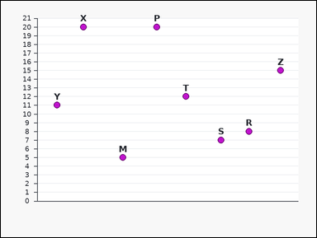 | 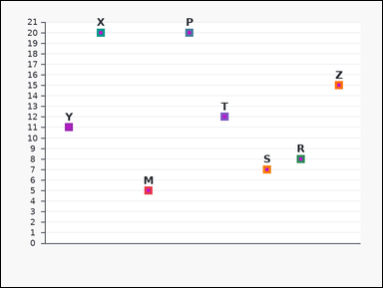 | task_charts_counting_value_count | above_threshold | The image shows a labeled scatter plot. Each label marks one plotted point, and the relevant values are the points' y-values on the vertical axis. Determine how many labeled marks meet the stated value condition. How many labeled marks have value greater than 4? Return a valid JSON object with keys "evidence" and "answer" in that order. Evidence: set "evidence" to an array containing the labels of all marks with values greater than the threshold. Answer: set "answer" to the number of matching marks as an integer. Example JSON: {"evidence":["B","K","T"],"answer":3} | The image shows a labeled scatter plot. Each label marks one plotted point, and the relevant values are the points' y-values on the vertical axis. Determine how many labeled marks meet the stated value condition. How many labeled marks have value greater than 4? Return a valid JSON object with key "answer". Answer field: set "answer" to the number of matching marks as an integer. Example JSON: {"answer":3} | {"evidence": ["M", "P", "R", "S", "T", "X", "Y", "Z"], "answer": 8} | ["M", "P", "R", "S", "T", "X", "Y", "Z"] | integer | label_set | 505904538338456 | charts/task_charts_counting_value_count/images/above_threshold/0012.png | charts/task_charts_counting_value_count/data/above_threshold/0012.json
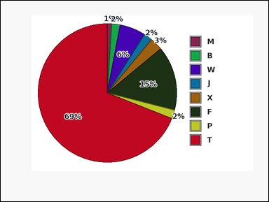 | 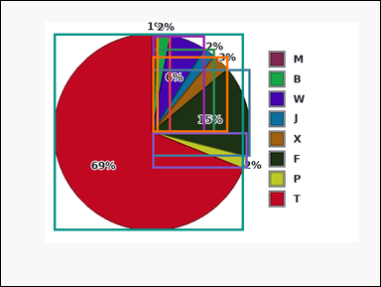 | task_charts_counting_value_count | above_threshold | You are given a labeled chart: a pie chart with differently colored slices. A legend on the right maps each slice color to its label, and the relevant values are the percentages printed on the slices. Count the labeled marks that satisfy the requested value condition. Determine how many marks show values strictly greater than 0. Return a valid JSON object with keys "evidence" and "answer" in that order. Evidence: set "evidence" to an array containing the labels of all marks with values greater than the threshold. Answer: set "answer" to the number of matching marks as an integer. Example JSON: {"evidence":["B","K","T"],"answer":3} | You are given a labeled chart: a pie chart with differently colored slices. A legend on the right maps each slice color to its label, and the relevant values are the percentages printed on the slices. Count the labeled marks that satisfy the requested value condition. Determine how many marks show values strictly greater than 0. Return a valid JSON object with key "answer". Answer: set "answer" to the number of matching marks as an integer. Example JSON: {"answer":3} | {"evidence": ["B", "F", "J", "M", "P", "T", "W", "X"], "answer": 8} | ["B", "F", "J", "M", "P", "T", "W", "X"] | integer | label_set | 520251065966359 | charts/task_charts_counting_value_count/images/above_threshold/0015.png | charts/task_charts_counting_value_count/data/above_threshold/0015.json
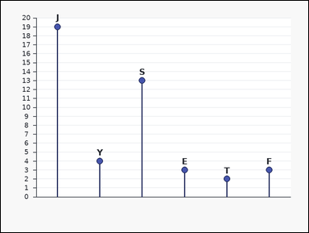 | 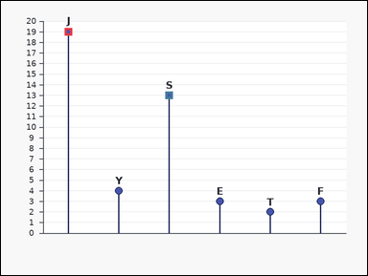 | task_charts_counting_value_count | above_threshold | Use the chart in the image. It shows a labeled lollipop chart. Each label marks one plotted point, and the relevant values are the points' y-values on the vertical axis. Count the labeled marks that satisfy the requested value condition. Find how many labeled marks exceed 4. Return a valid JSON object with keys "evidence" and "answer" in that order. Evidence rule: set "evidence" to an array containing the labels of all marks with values greater than the threshold. Answer rule: set "answer" to the number of matching marks as an integer. Example JSON: {"evidence":["B","K","T"],"answer":3} | Use the chart in the image. It shows a labeled lollipop chart. Each label marks one plotted point, and the relevant values are the points' y-values on the vertical axis. Count the labeled marks that satisfy the requested value condition. Find how many labeled marks exceed 4. Return a valid JSON object with key "answer". Answer rule: set "answer" to the number of matching marks as an integer. Example JSON: {"answer":3} | {"evidence": ["J", "S"], "answer": 2} | ["J", "S"] | integer | label_set | 642723237711261 | charts/task_charts_counting_value_count/images/above_threshold/0018.png | charts/task_charts_counting_value_count/data/above_threshold/0018.json
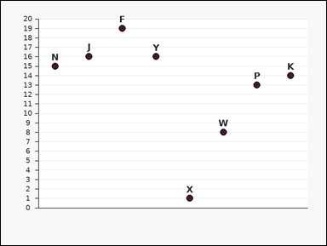 | 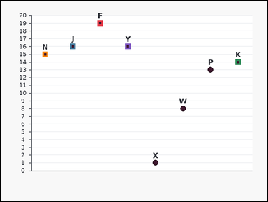 | task_charts_counting_value_count | above_threshold | Work from the labeled chart shown in the image: a labeled dot plot. Each label marks one plotted point, and the relevant values are the points' y-values on the vertical axis. Determine how many labeled marks meet the stated value condition. How many labeled marks have value greater than 13? Return a valid JSON object with keys "evidence" and "answer" in that order. Evidence: set "evidence" to an array containing the labels of all marks with values greater than the threshold. Answer: set "answer" to the number of matching marks as an integer. Example JSON: {"evidence":["B","K","T"],"answer":3} | Work from the labeled chart shown in the image: a labeled dot plot. Each label marks one plotted point, and the relevant values are the points' y-values on the vertical axis. Determine how many labeled marks meet the stated value condition. How many labeled marks have value greater than 13? Return a valid JSON object with key "answer". Answer: set "answer" to the number of matching marks as an integer. Example JSON: {"answer":3} | {"evidence": ["F", "J", "K", "N", "Y"], "answer": 5} | ["F", "J", "K", "N", "Y"] | integer | label_set | 1.0224728626E+15 | charts/task_charts_counting_value_count/images/above_threshold/0003.png | charts/task_charts_counting_value_count/data/above_threshold/0003.json
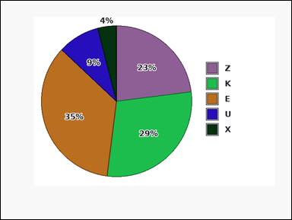 | 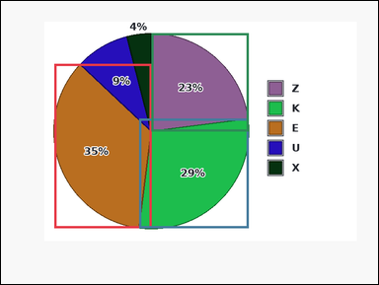 | task_charts_counting_value_count | above_threshold | Use the chart in the image. It shows a pie chart with differently colored slices. A legend on the right maps each slice color to its label, and the relevant values are the percentages printed on the slices. Answer this question. What number of labeled marks have values higher than 22? Return a valid JSON object with keys "evidence" and "answer" in that order. Evidence requirement: set "evidence" to an array containing the labels of all marks with values greater than the threshold. Answer format: set "answer" to the number of matching marks as an integer. Example JSON: {"evidence":["B","K","T"],"answer":3} | Use the chart in the image. It shows a pie chart with differently colored slices. A legend on the right maps each slice color to its label, and the relevant values are the percentages printed on the slices. Answer this question. What number of labeled marks have values higher than 22? Return a valid JSON object with key "answer". Answer format: set "answer" to the number of matching marks as an integer. Example JSON: {"answer":3} | {"evidence": ["E", "K", "Z"], "answer": 3} | ["E", "K", "Z"] | integer | label_set | 1.3454500688E+15 | charts/task_charts_counting_value_count/images/above_threshold/0017.png | charts/task_charts_counting_value_count/data/above_threshold/0017.json
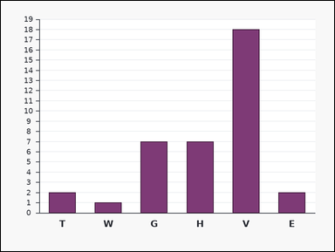 |  | task_charts_counting_value_count | above_threshold | Use the chart in the image. It shows a labeled bar chart. Each bar's numeric height can be read from the vertical axis. Determine how many labeled marks meet the stated value condition. Count the labeled marks with values above 7. Return a valid JSON object with keys "evidence" and "answer" in that order. Evidence rule: set "evidence" to an array containing the labels of all marks with values greater than the threshold. Answer rule: set "answer" to the number of matching marks as an integer. Example JSON: {"evidence":["B","K","T"],"answer":3} | Use the chart in the image. It shows a labeled bar chart. Each bar's numeric height can be read from the vertical axis. Determine how many labeled marks meet the stated value condition. Count the labeled marks with values above 7. Return a valid JSON object with key "answer". Answer field: set "answer" to the number of matching marks as an integer. Example JSON: {"answer":3} | {"evidence": ["V"], "answer": 1} | ["V"] | integer | label_set | 1.3831183904E+15 | charts/task_charts_counting_value_count/images/above_threshold/0009.png | charts/task_charts_counting_value_count/data/above_threshold/0009.json
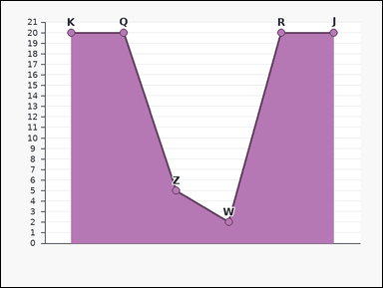 |  | task_charts_counting_value_count | above_threshold | Use the chart in the image. It shows a labeled area chart with visible point markers. Each label marks one plotted point, and the relevant values are the points' y-values on the vertical axis. Count the labeled marks that satisfy the requested value condition. Find how many labeled marks exceed 19. Return a valid JSON object with keys "evidence" and "answer" in that order. Evidence format: set "evidence" to an array containing the labels of all marks with values greater than the threshold. Answer requirement: set "answer" to the number of matching marks as an integer. Example JSON: {"evidence":["B","K","T"],"answer":3} | Use the chart in the image. It shows a labeled area chart with visible point markers. Each label marks one plotted point, and the relevant values are the points' y-values on the vertical axis. Count the labeled marks that satisfy the requested value condition. Find how many labeled marks exceed 19. Return a valid JSON object with key "answer". Answer format: set "answer" to the number of matching marks as an integer. Example JSON: {"answer":3} | {"evidence": ["J", "K", "Q", "R"], "answer": 4} | ["J", "K", "Q", "R"] | integer | label_set | 1.9206448841E+15 | charts/task_charts_counting_value_count/images/above_threshold/0000.png | charts/task_charts_counting_value_count/data/above_threshold/0000.json
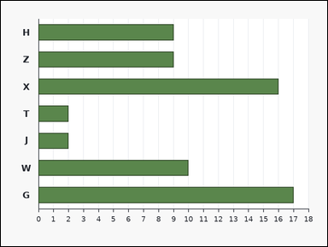 | 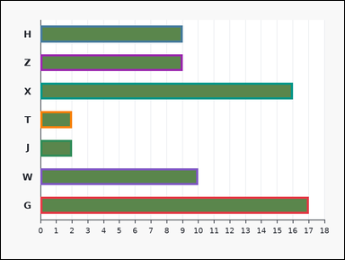 | task_charts_counting_value_count | above_threshold | Use the chart in the image. It shows a labeled horizontal bar chart. Each bar's numeric length can be read from the horizontal axis. Read the chart values and count the matching marks. Find how many labeled marks exceed 1. Return a valid JSON object with keys "evidence" and "answer" in that order. Evidence: set "evidence" to an array containing the labels of all marks with values greater than the threshold. Answer: set "answer" to the number of matching marks as an integer. Example JSON: {"evidence":["B","K","T"],"answer":3} | Use the chart in the image. It shows a labeled horizontal bar chart. Each bar's numeric length can be read from the horizontal axis. Read the chart values and count the matching marks. Find how many labeled marks exceed 1. Return a valid JSON object with key "answer". Answer field: set "answer" to the number of matching marks as an integer. Example JSON: {"answer":3} | {"evidence": ["G", "H", "J", "T", "W", "X", "Z"], "answer": 7} | ["G", "H", "J", "T", "W", "X", "Z"] | integer | label_set | 2.0002872094E+15 | charts/task_charts_counting_value_count/images/above_threshold/0004.png | charts/task_charts_counting_value_count/data/above_threshold/0004.json
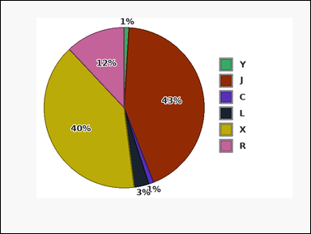 | 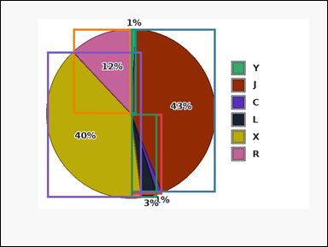 | task_charts_counting_value_count | above_threshold | Look at the chart in the image. It shows a pie chart with differently colored slices. A legend on the right maps each slice color to its label, and the relevant values are the percentages printed on the slices. Read the chart values and count the matching marks. How many labeled marks have value greater than 0? Return a valid JSON object with keys "evidence" and "answer" in that order. Evidence format: set "evidence" to an array containing the labels of all marks with values greater than the threshold. Answer requirement: set "answer" to the number of matching marks as an integer. Example JSON: {"evidence":["B","K","T"],"answer":3} | Look at the chart in the image. It shows a pie chart with differently colored slices. A legend on the right maps each slice color to its label, and the relevant values are the percentages printed on the slices. Read the chart values and count the matching marks. How many labeled marks have value greater than 0? Return a valid JSON object with key "answer". Answer: set "answer" to the number of matching marks as an integer. Example JSON: {"answer":3} | {"evidence": ["C", "J", "L", "R", "X", "Y"], "answer": 6} | ["C", "J", "L", "R", "X", "Y"] | integer | label_set | 2.1331298787E+15 | charts/task_charts_counting_value_count/images/above_threshold/0019.png | charts/task_charts_counting_value_count/data/above_threshold/0019.json
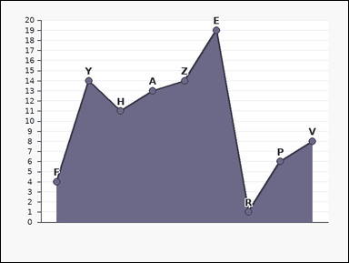 | 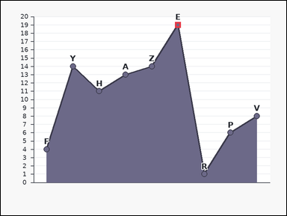 | task_charts_counting_value_count | above_threshold | You are given a labeled chart: a labeled area chart with visible point markers. Each label marks one plotted point, and the relevant values are the points' y-values on the vertical axis. Determine how many labeled marks meet the stated value condition. How many labeled marks have value greater than 15? Return a valid JSON object with keys "evidence" and "answer" in that order. Evidence rule: set "evidence" to an array containing the labels of all marks with values greater than the threshold. Answer rule: set "answer" to the number of matching marks as an integer. Example JSON: {"evidence":["B","K","T"],"answer":3} | You are given a labeled chart: a labeled area chart with visible point markers. Each label marks one plotted point, and the relevant values are the points' y-values on the vertical axis. Determine how many labeled marks meet the stated value condition. How many labeled marks have value greater than 15? Return a valid JSON object with key "answer". Answer: set "answer" to the number of matching marks as an integer. Example JSON: {"answer":3} | {"evidence": ["E"], "answer": 1} | ["E"] | integer | label_set | 2.8202912466E+15 | charts/task_charts_counting_value_count/images/above_threshold/0021.png | charts/task_charts_counting_value_count/data/above_threshold/0021.json
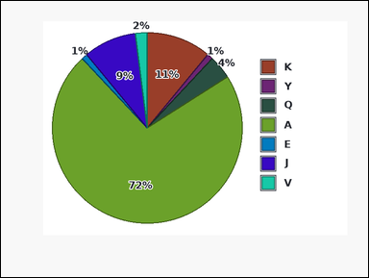 | 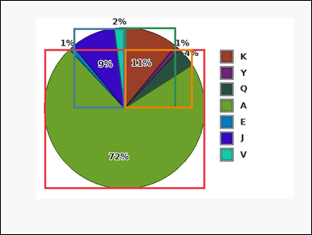 | task_charts_counting_value_count | above_threshold | Use the chart in the image. It shows a pie chart with differently colored slices. A legend on the right maps each slice color to its label, and the relevant values are the percentages printed on the slices. Use the chart values to answer the counting question. Determine how many marks show values strictly greater than 3. Return a valid JSON object with keys "evidence" and "answer" in that order. Evidence requirement: set "evidence" to an array containing the labels of all marks with values greater than the threshold. Answer format: set "answer" to the number of matching marks as an integer. Example JSON: {"evidence":["B","K","T"],"answer":3} | Use the chart in the image. It shows a pie chart with differently colored slices. A legend on the right maps each slice color to its label, and the relevant values are the percentages printed on the slices. Use the chart values to answer the counting question. Determine how many marks show values strictly greater than 3. Return a valid JSON object with key "answer". Answer field: set "answer" to the number of matching marks as an integer. Example JSON: {"answer":3} | {"evidence": ["A", "J", "K", "Q"], "answer": 4} | ["A", "J", "K", "Q"] | integer | label_set | 3.1959499577E+15 | charts/task_charts_counting_value_count/images/above_threshold/0007.png | charts/task_charts_counting_value_count/data/above_threshold/0007.json
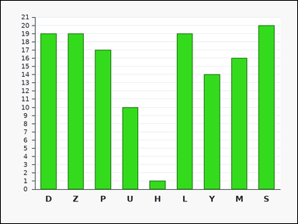 |  | task_charts_counting_value_count | above_threshold | Work from the labeled chart shown in the image: a labeled bar chart. Each bar's numeric height can be read from the vertical axis. Answer this question. What number of labeled marks have values higher than 18? Return a valid JSON object with keys "evidence" and "answer" in that order. Evidence format: set "evidence" to an array containing the labels of all marks with values greater than the threshold. Answer requirement: set "answer" to the number of matching marks as an integer. Example JSON: {"evidence":["B","K","T"],"answer":3} | Work from the labeled chart shown in the image: a labeled bar chart. Each bar's numeric height can be read from the vertical axis. Answer this question. What number of labeled marks have values higher than 18? Return a valid JSON object with key "answer". Answer rule: set "answer" to the number of matching marks as an integer. Example JSON: {"answer":3} | {"evidence": ["D", "L", "S", "Z"], "answer": 4} | ["D", "L", "S", "Z"] | integer | label_set | 3.5385411892E+15 | charts/task_charts_counting_value_count/images/above_threshold/0006.png | charts/task_charts_counting_value_count/data/above_threshold/0006.json
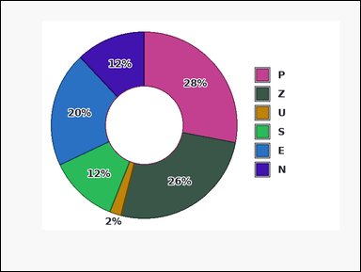 | 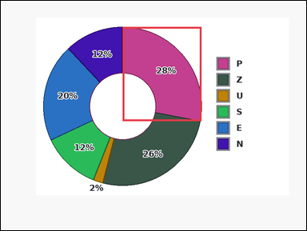 | task_charts_counting_value_count | above_threshold | The image shows a donut chart with differently colored slices. A legend on the right maps each slice color to its label, and the relevant values are the percentages printed on the slices. Answer this question. How many labeled marks have value greater than 27? Return a valid JSON object with keys "evidence" and "answer" in that order. Evidence format: set "evidence" to an array containing the labels of all marks with values greater than the threshold. Answer requirement: set "answer" to the number of matching marks as an integer. Example JSON: {"evidence":["B","K","T"],"answer":3} | The image shows a donut chart with differently colored slices. A legend on the right maps each slice color to its label, and the relevant values are the percentages printed on the slices. Answer this question. How many labeled marks have value greater than 27? Return a valid JSON object with key "answer". Answer format: set "answer" to the number of matching marks as an integer. Example JSON: {"answer":3} | {"evidence": ["P"], "answer": 1} | ["P"] | integer | label_set | 3.616058431E+15 | charts/task_charts_counting_value_count/images/above_threshold/0014.png | charts/task_charts_counting_value_count/data/above_threshold/0014.json
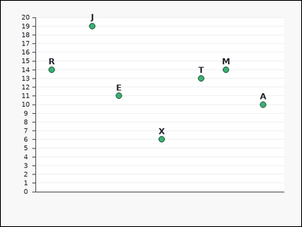 |  | task_charts_counting_value_count | above_threshold | Look at the chart in the image. It shows a labeled scatter plot. Each label marks one plotted point, and the relevant values are the points' y-values on the vertical axis. Determine how many labeled marks meet the stated value condition. Count the labeled marks with values above 19. Return a valid JSON object with keys "evidence" and "answer" in that order. Evidence requirement: set "evidence" to an array containing the labels of all marks with values greater than the threshold. Answer format: set "answer" to the number of matching marks as an integer. Example JSON: {"evidence":["B","K","T"],"answer":3} | Look at the chart in the image. It shows a labeled scatter plot. Each label marks one plotted point, and the relevant values are the points' y-values on the vertical axis. Determine how many labeled marks meet the stated value condition. Count the labeled marks with values above 19. Return a valid JSON object with key "answer". Answer field: set "answer" to the number of matching marks as an integer. Example JSON: {"answer":3} | {"evidence": [], "answer": 0} | [] | integer | label_set | 3.6644979877E+15 | charts/task_charts_counting_value_count/images/above_threshold/0005.png | charts/task_charts_counting_value_count/data/above_threshold/0005.json
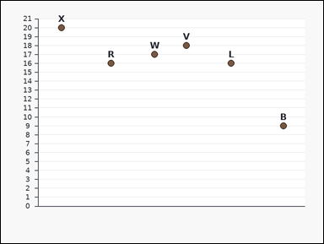 | 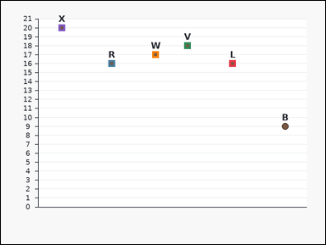 | task_charts_counting_value_count | above_threshold | Use the chart in the image. It shows a labeled scatter plot. Each label marks one plotted point, and the relevant values are the points' y-values on the vertical axis. Answer this question. Count the labeled marks with values above 15. Return a valid JSON object with keys "evidence" and "answer" in that order. Evidence format: set "evidence" to an array containing the labels of all marks with values greater than the threshold. Answer requirement: set "answer" to the number of matching marks as an integer. Example JSON: {"evidence":["B","K","T"],"answer":3} | Use the chart in the image. It shows a labeled scatter plot. Each label marks one plotted point, and the relevant values are the points' y-values on the vertical axis. Answer this question. Count the labeled marks with values above 15. Return a valid JSON object with key "answer". Answer format: set "answer" to the number of matching marks as an integer. Example JSON: {"answer":3} | {"evidence": ["L", "R", "V", "W", "X"], "answer": 5} | ["L", "R", "V", "W", "X"] | integer | label_set | 4.0886969153E+15 | charts/task_charts_counting_value_count/images/above_threshold/0024.png | charts/task_charts_counting_value_count/data/above_threshold/0024.json
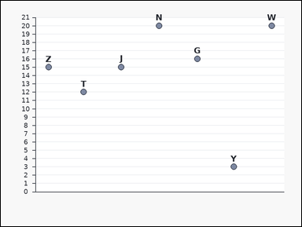 | 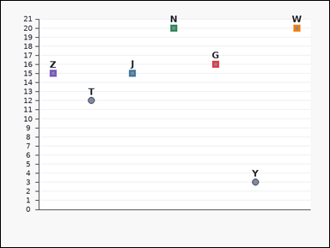 | task_charts_counting_value_count | above_threshold | The image shows a labeled scatter plot. Each label marks one plotted point, and the relevant values are the points' y-values on the vertical axis. Count the labeled marks that satisfy the requested value condition. Determine how many marks show values strictly greater than 14. Return a valid JSON object with keys "evidence" and "answer" in that order. Evidence format: set "evidence" to an array containing the labels of all marks with values greater than the threshold. Answer requirement: set "answer" to the number of matching marks as an integer. Example JSON: {"evidence":["B","K","T"],"answer":3} | The image shows a labeled scatter plot. Each label marks one plotted point, and the relevant values are the points' y-values on the vertical axis. Count the labeled marks that satisfy the requested value condition. Determine how many marks show values strictly greater than 14. Return a valid JSON object with key "answer". Answer format: set "answer" to the number of matching marks as an integer. Example JSON: {"answer":3} | {"evidence": ["G", "J", "N", "W", "Z"], "answer": 5} | ["G", "J", "N", "W", "Z"] | integer | label_set | 5.0267296263E+15 | charts/task_charts_counting_value_count/images/above_threshold/0020.png | charts/task_charts_counting_value_count/data/above_threshold/0020.json
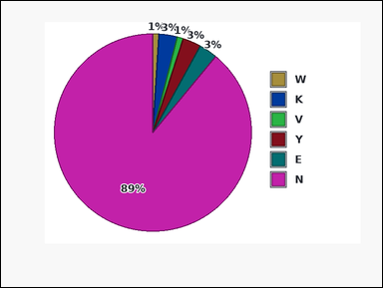 | 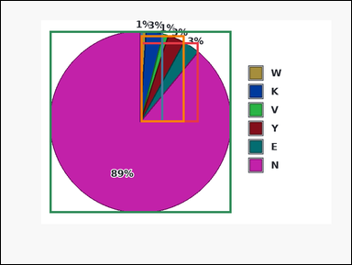 | task_charts_counting_value_count | above_threshold | You are given a labeled chart: a pie chart with differently colored slices. A legend on the right maps each slice color to its label, and the relevant values are the percentages printed on the slices. Answer this question. Count the labeled marks with values above 2. Return a valid JSON object with keys "evidence" and "answer" in that order. Evidence requirement: set "evidence" to an array containing the labels of all marks with values greater than the threshold. Answer format: set "answer" to the number of matching marks as an integer. Example JSON: {"evidence":["B","K","T"],"answer":3} | You are given a labeled chart: a pie chart with differently colored slices. A legend on the right maps each slice color to its label, and the relevant values are the percentages printed on the slices. Answer this question. Count the labeled marks with values above 2. Return a valid JSON object with key "answer". Answer: set "answer" to the number of matching marks as an integer. Example JSON: {"answer":3} | {"evidence": ["E", "K", "N", "Y"], "answer": 4} | ["E", "K", "N", "Y"] | integer | label_set | 5.4248255789E+15 | charts/task_charts_counting_value_count/images/above_threshold/0013.png | charts/task_charts_counting_value_count/data/above_threshold/0013.json
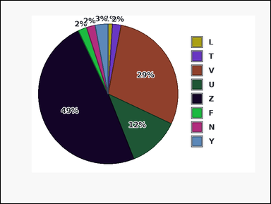 | 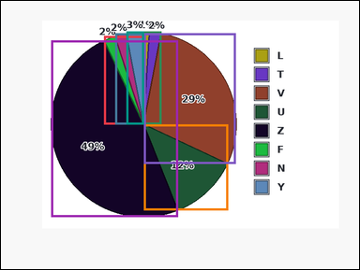 | task_charts_counting_value_count | above_threshold | The image shows a pie chart with differently colored slices. A legend on the right maps each slice color to its label, and the relevant values are the percentages printed on the slices. Determine how many labeled marks meet the stated value condition. What number of labeled marks have values higher than 1? Return a valid JSON object with keys "evidence" and "answer" in that order. Evidence requirement: set "evidence" to an array containing the labels of all marks with values greater than the threshold. Answer format: set "answer" to the number of matching marks as an integer. Example JSON: {"evidence":["B","K","T"],"answer":3} | The image shows a pie chart with differently colored slices. A legend on the right maps each slice color to its label, and the relevant values are the percentages printed on the slices. Determine how many labeled marks meet the stated value condition. What number of labeled marks have values higher than 1? Return a valid JSON object with key "answer". Answer field: set "answer" to the number of matching marks as an integer. Example JSON: {"answer":3} | {"evidence": ["F", "N", "T", "U", "V", "Y", "Z"], "answer": 7} | ["F", "N", "T", "U", "V", "Y", "Z"] | integer | label_set | 5.8467113021E+15 | charts/task_charts_counting_value_count/images/above_threshold/0011.png | charts/task_charts_counting_value_count/data/above_threshold/0011.json
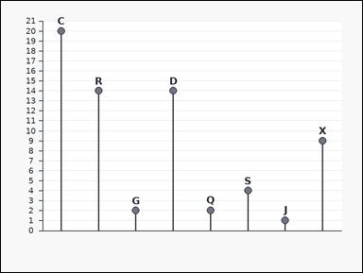 | 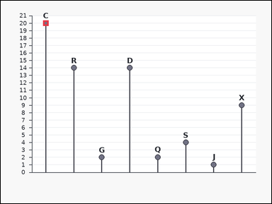 | task_charts_counting_value_count | above_threshold | Look at the chart in the image. It shows a labeled lollipop chart. Each label marks one plotted point, and the relevant values are the points' y-values on the vertical axis. Use the chart values to answer the counting question. Find how many labeled marks exceed 15. Return a valid JSON object with keys "evidence" and "answer" in that order. Evidence format: set "evidence" to an array containing the labels of all marks with values greater than the threshold. Answer requirement: set "answer" to the number of matching marks as an integer. Example JSON: {"evidence":["B","K","T"],"answer":3} | Look at the chart in the image. It shows a labeled lollipop chart. Each label marks one plotted point, and the relevant values are the points' y-values on the vertical axis. Use the chart values to answer the counting question. Find how many labeled marks exceed 15. Return a valid JSON object with key "answer". Answer field: set "answer" to the number of matching marks as an integer. Example JSON: {"answer":3} | {"evidence": ["C"], "answer": 1} | ["C"] | integer | label_set | 6.6881856847E+15 | charts/task_charts_counting_value_count/images/above_threshold/0023.png | charts/task_charts_counting_value_count/data/above_threshold/0023.json
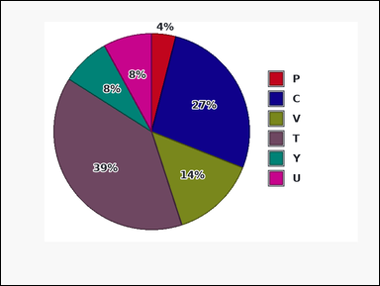 | 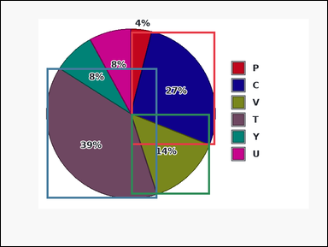 | task_charts_counting_value_count | above_threshold | Use the chart in the image. It shows a pie chart with differently colored slices. A legend on the right maps each slice color to its label, and the relevant values are the percentages printed on the slices. Count the labeled marks that satisfy the requested value condition. What number of labeled marks have values higher than 8? Return a valid JSON object with keys "evidence" and "answer" in that order. Evidence rule: set "evidence" to an array containing the labels of all marks with values greater than the threshold. Answer rule: set "answer" to the number of matching marks as an integer. Example JSON: {"evidence":["B","K","T"],"answer":3} | Use the chart in the image. It shows a pie chart with differently colored slices. A legend on the right maps each slice color to its label, and the relevant values are the percentages printed on the slices. Count the labeled marks that satisfy the requested value condition. What number of labeled marks have values higher than 8? Return a valid JSON object with key "answer". Answer rule: set "answer" to the number of matching marks as an integer. Example JSON: {"answer":3} | {"evidence": ["C", "T", "V"], "answer": 3} | ["C", "T", "V"] | integer | label_set | 6.7447493014E+15 | charts/task_charts_counting_value_count/images/above_threshold/0022.png | charts/task_charts_counting_value_count/data/above_threshold/0022.json
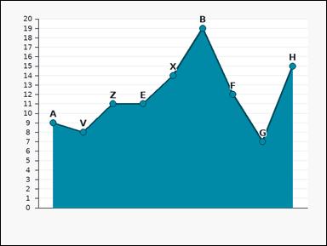 |  | task_charts_counting_value_count | above_threshold | You are given a labeled chart: a labeled area chart with visible point markers. Each label marks one plotted point, and the relevant values are the points' y-values on the vertical axis. Use the chart values to answer the counting question. Count the labeled marks with values above 19. Return a valid JSON object with keys "evidence" and "answer" in that order. Evidence: set "evidence" to an array containing the labels of all marks with values greater than the threshold. Answer: set "answer" to the number of matching marks as an integer. Example JSON: {"evidence":["B","K","T"],"answer":3} | You are given a labeled chart: a labeled area chart with visible point markers. Each label marks one plotted point, and the relevant values are the points' y-values on the vertical axis. Use the chart values to answer the counting question. Count the labeled marks with values above 19. Return a valid JSON object with key "answer". Answer format: set "answer" to the number of matching marks as an integer. Example JSON: {"answer":3} | {"evidence": [], "answer": 0} | [] | integer | label_set | 6.8363862593E+15 | charts/task_charts_counting_value_count/images/above_threshold/0016.png | charts/task_charts_counting_value_count/data/above_threshold/0016.json
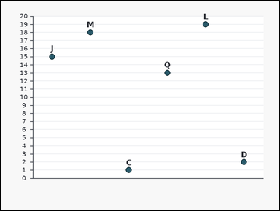 | 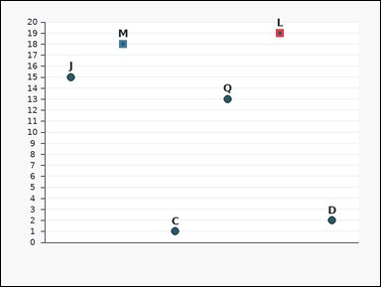 | task_charts_counting_value_count | above_threshold | Look at the chart in the image. It shows a labeled dot plot. Each label marks one plotted point, and the relevant values are the points' y-values on the vertical axis. Read the chart values and count the matching marks. How many labeled marks have value greater than 15? Return a valid JSON object with keys "evidence" and "answer" in that order. Evidence format: set "evidence" to an array containing the labels of all marks with values greater than the threshold. Answer requirement: set "answer" to the number of matching marks as an integer. Example JSON: {"evidence":["B","K","T"],"answer":3} | Look at the chart in the image. It shows a labeled dot plot. Each label marks one plotted point, and the relevant values are the points' y-values on the vertical axis. Read the chart values and count the matching marks. How many labeled marks have value greater than 15? Return a valid JSON object with key "answer". Answer: set "answer" to the number of matching marks as an integer. Example JSON: {"answer":3} | {"evidence": ["L", "M"], "answer": 2} | ["L", "M"] | integer | label_set | 7.044630367E+15 | charts/task_charts_counting_value_count/images/above_threshold/0008.png | charts/task_charts_counting_value_count/data/above_threshold/0008.json
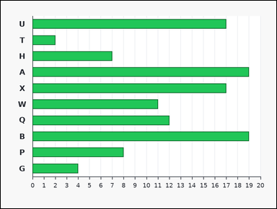 | 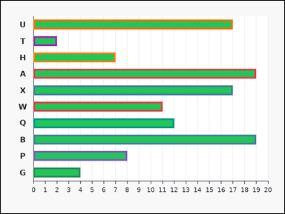 | task_charts_counting_value_count | above_threshold | Work from the labeled chart shown in the image: a labeled horizontal bar chart. Each bar's numeric length can be read from the horizontal axis. Answer this question. Find how many labeled marks exceed 1. Return a valid JSON object with keys "evidence" and "answer" in that order. Evidence: set "evidence" to an array containing the labels of all marks with values greater than the threshold. Answer: set "answer" to the number of matching marks as an integer. Example JSON: {"evidence":["B","K","T"],"answer":3} | Work from the labeled chart shown in the image: a labeled horizontal bar chart. Each bar's numeric length can be read from the horizontal axis. Answer this question. Find how many labeled marks exceed 1. Return a valid JSON object with key "answer". Answer requirement: set "answer" to the number of matching marks as an integer. Example JSON: {"answer":3} | {"evidence": ["A", "B", "G", "H", "P", "Q", "T", "U", "W", "X"], "answer": 10} | ["A", "B", "G", "H", "P", "Q", "T", "U", "W", "X"] | integer | label_set | 7.4863742448E+15 | charts/task_charts_counting_value_count/images/above_threshold/0001.png | charts/task_charts_counting_value_count/data/above_threshold/0001.json
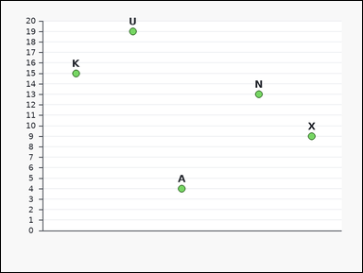 | 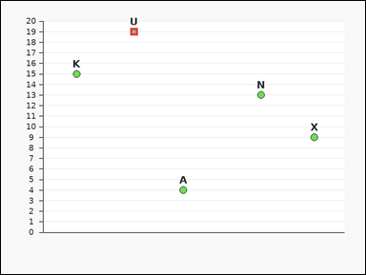 | task_charts_counting_value_count | above_threshold | The image shows a labeled scatter plot. Each label marks one plotted point, and the relevant values are the points' y-values on the vertical axis. Count the labeled marks that satisfy the requested value condition. Determine how many marks show values strictly greater than 16. Return a valid JSON object with keys "evidence" and "answer" in that order. Evidence format: set "evidence" to an array containing the labels of all marks with values greater than the threshold. Answer requirement: set "answer" to the number of matching marks as an integer. Example JSON: {"evidence":["B","K","T"],"answer":3} | The image shows a labeled scatter plot. Each label marks one plotted point, and the relevant values are the points' y-values on the vertical axis. Count the labeled marks that satisfy the requested value condition. Determine how many marks show values strictly greater than 16. Return a valid JSON object with key "answer". Answer requirement: set "answer" to the number of matching marks as an integer. Example JSON: {"answer":3} | {"evidence": ["U"], "answer": 1} | ["U"] | integer | label_set | 7.9371736867E+15 | charts/task_charts_counting_value_count/images/above_threshold/0010.png | charts/task_charts_counting_value_count/data/above_threshold/0010.json
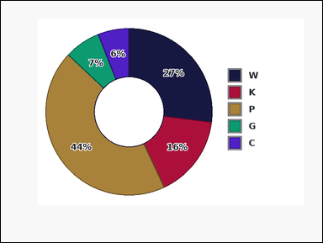 |  | task_charts_counting_value_count | above_threshold | The image shows a donut chart with differently colored slices. A legend on the right maps each slice color to its label, and the relevant values are the percentages printed on the slices. Count the labeled marks that satisfy the requested value condition. Determine how many marks show values strictly greater than 80. Return a valid JSON object with keys "evidence" and "answer" in that order. Evidence format: set "evidence" to an array containing the labels of all marks with values greater than the threshold. Answer requirement: set "answer" to the number of matching marks as an integer. Example JSON: {"evidence":["B","K","T"],"answer":3} | The image shows a donut chart with differently colored slices. A legend on the right maps each slice color to its label, and the relevant values are the percentages printed on the slices. Count the labeled marks that satisfy the requested value condition. Determine how many marks show values strictly greater than 80. Return a valid JSON object with key "answer". Answer format: set "answer" to the number of matching marks as an integer. Example JSON: {"answer":3} | {"evidence": [], "answer": 0} | [] | integer | label_set | 8.4524383388E+15 | charts/task_charts_counting_value_count/images/above_threshold/0002.png | charts/task_charts_counting_value_count/data/above_threshold/0002.json

below_threshold
image | evidence_image | task | task_variant | prompt | prompt_answer_only | answer | answer_evidence | answer_type | evidence_type | instance_seed | image_path | data_path
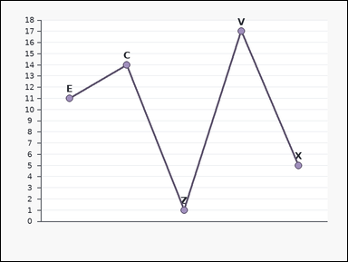 | 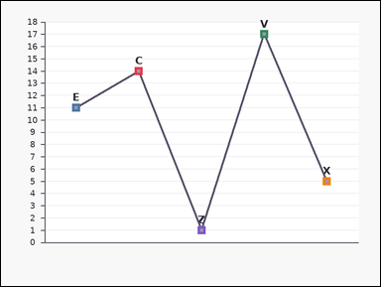 | task_charts_counting_value_count | below_threshold | Use the chart in the image. It shows a labeled line chart with visible point markers. Each label marks one plotted point, and the relevant values are the points' y-values on the vertical axis. Count the labeled marks that satisfy the requested value condition. Determine how many marks show values strictly less than 18. Return a valid JSON object with keys "evidence" and "answer" in that order. Evidence: set "evidence" to an array containing the labels of all marks with values less than the threshold. Answer: set "answer" to the number of matching marks as an integer. Example JSON: {"evidence":["A","M"],"answer":2} | Use the chart in the image. It shows a labeled line chart with visible point markers. Each label marks one plotted point, and the relevant values are the points' y-values on the vertical axis. Count the labeled marks that satisfy the requested value condition. Determine how many marks show values strictly less than 18. Return a valid JSON object with key "answer". Answer rule: set "answer" to the number of matching marks as an integer. Example JSON: {"answer":2} | {"evidence": ["C", "E", "V", "X", "Z"], "answer": 5} | ["C", "E", "V", "X", "Z"] | integer | label_set | 179901532196556 | charts/task_charts_counting_value_count/images/below_threshold/0023.png | charts/task_charts_counting_value_count/data/below_threshold/0023.json
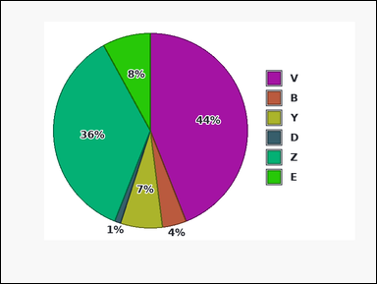 |  | task_charts_counting_value_count | below_threshold | Look at the chart in the image. It shows a pie chart with differently colored slices. A legend on the right maps each slice color to its label, and the relevant values are the percentages printed on the slices. Determine how many labeled marks meet the stated value condition. Count the labeled marks with values below 2. Return a valid JSON object with keys "evidence" and "answer" in that order. Evidence format: set "evidence" to an array containing the labels of all marks with values less than the threshold. Answer requirement: set "answer" to the number of matching marks as an integer. Example JSON: {"evidence":["A","M"],"answer":2} | Look at the chart in the image. It shows a pie chart with differently colored slices. A legend on the right maps each slice color to its label, and the relevant values are the percentages printed on the slices. Determine how many labeled marks meet the stated value condition. Count the labeled marks with values below 2. Return a valid JSON object with key "answer". Answer field: set "answer" to the number of matching marks as an integer. Example JSON: {"answer":2} | {"evidence": ["D"], "answer": 1} | ["D"] | integer | label_set | 206667917396907 | charts/task_charts_counting_value_count/images/below_threshold/0009.png | charts/task_charts_counting_value_count/data/below_threshold/0009.json
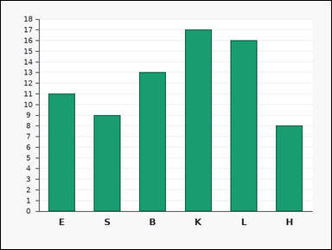 | 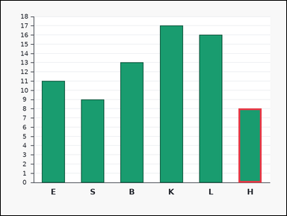 | task_charts_counting_value_count | below_threshold | Work from the labeled chart shown in the image: a labeled bar chart. Each bar's numeric height can be read from the vertical axis. Answer this question. Find how many labeled marks are under 9. Return a valid JSON object with keys "evidence" and "answer" in that order. Evidence: set "evidence" to an array containing the labels of all marks with values less than the threshold. Answer: set "answer" to the number of matching marks as an integer. Example JSON: {"evidence":["A","M"],"answer":2} | Work from the labeled chart shown in the image: a labeled bar chart. Each bar's numeric height can be read from the vertical axis. Answer this question. Find how many labeled marks are under 9. Return a valid JSON object with key "answer". Answer field: set "answer" to the number of matching marks as an integer. Example JSON: {"answer":2} | {"evidence": ["H"], "answer": 1} | ["H"] | integer | label_set | 561625463455636 | charts/task_charts_counting_value_count/images/below_threshold/0015.png | charts/task_charts_counting_value_count/data/below_threshold/0015.json
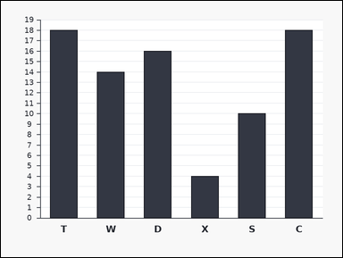 |  | task_charts_counting_value_count | below_threshold | Work from the labeled chart shown in the image: a labeled bar chart. Each bar's numeric height can be read from the vertical axis. Determine how many labeled marks meet the stated value condition. Determine how many marks show values strictly less than 13. Return a valid JSON object with keys "evidence" and "answer" in that order. Evidence rule: set "evidence" to an array containing the labels of all marks with values less than the threshold. Answer rule: set "answer" to the number of matching marks as an integer. Example JSON: {"evidence":["A","M"],"answer":2} | Work from the labeled chart shown in the image: a labeled bar chart. Each bar's numeric height can be read from the vertical axis. Determine how many labeled marks meet the stated value condition. Determine how many marks show values strictly less than 13. Return a valid JSON object with key "answer". Answer rule: set "answer" to the number of matching marks as an integer. Example JSON: {"answer":2} | {"evidence": ["S", "X"], "answer": 2} | ["S", "X"] | integer | label_set | 975231564482028 | charts/task_charts_counting_value_count/images/below_threshold/0003.png | charts/task_charts_counting_value_count/data/below_threshold/0003.json
 |  | task_charts_counting_value_count | below_threshold | Use the chart in the image. It shows a labeled bar chart. Each bar's numeric height can be read from the vertical axis. Count the labeled marks that satisfy the requested value condition. Count the labeled marks with values below 13. Return a valid JSON object with keys "evidence" and "answer" in that order. Evidence requirement: set "evidence" to an array containing the labels of all marks with values less than the threshold. Answer format: set "answer" to the number of matching marks as an integer. Example JSON: {"evidence":["A","M"],"answer":2} | Use the chart in the image. It shows a labeled bar chart. Each bar's numeric height can be read from the vertical axis. Count the labeled marks that satisfy the requested value condition. Count the labeled marks with values below 13. Return a valid JSON object with key "answer". Answer rule: set "answer" to the number of matching marks as an integer. Example JSON: {"answer":2} | {"evidence": ["F"], "answer": 1} | ["F"] | integer | label_set | 1.8318354789E+15 | charts/task_charts_counting_value_count/images/below_threshold/0017.png | charts/task_charts_counting_value_count/data/below_threshold/0017.json
 |  | task_charts_counting_value_count | below_threshold | Look at the chart in the image. It shows a donut chart with differently colored slices. A legend on the right maps each slice color to its label, and the relevant values are the percentages printed on the slices. Determine how many labeled marks meet the stated value condition. What number of labeled marks have values lower than 7? Return a valid JSON object with keys "evidence" and "answer" in that order. Evidence rule: set "evidence" to an array containing the labels of all marks with values less than the threshold. Answer rule: set "answer" to the number of matching marks as an integer. Example JSON: {"evidence":["A","M"],"answer":2} | Look at the chart in the image. It shows a donut chart with differently colored slices. A legend on the right maps each slice color to its label, and the relevant values are the percentages printed on the slices. Determine how many labeled marks meet the stated value condition. What number of labeled marks have values lower than 7? Return a valid JSON object with key "answer". Answer requirement: set "answer" to the number of matching marks as an integer. Example JSON: {"answer":2} | {"evidence": ["B", "Z"], "answer": 2} | ["B", "Z"] | integer | label_set | 2.4650554578E+15 | charts/task_charts_counting_value_count/images/below_threshold/0016.png | charts/task_charts_counting_value_count/data/below_threshold/0016.json
 |  | task_charts_counting_value_count | below_threshold | You are given a labeled chart: a labeled line chart with visible point markers. Each label marks one plotted point, and the relevant values are the points' y-values on the vertical axis. Determine how many labeled marks meet the stated value condition. Count the labeled marks with values below 2. Return a valid JSON object with keys "evidence" and "answer" in that order. Evidence format: set "evidence" to an array containing the labels of all marks with values less than the threshold. Answer requirement: set "answer" to the number of matching marks as an integer. Example JSON: {"evidence":["A","M"],"answer":2} | You are given a labeled chart: a labeled line chart with visible point markers. Each label marks one plotted point, and the relevant values are the points' y-values on the vertical axis. Determine how many labeled marks meet the stated value condition. Count the labeled marks with values below 2. Return a valid JSON object with key "answer". Answer format: set "answer" to the number of matching marks as an integer. Example JSON: {"answer":2} | {"evidence": [], "answer": 0} | [] | integer | label_set | 3.5719953466E+15 | charts/task_charts_counting_value_count/images/below_threshold/0000.png | charts/task_charts_counting_value_count/data/below_threshold/0000.json
 |  | task_charts_counting_value_count | below_threshold | Work from the labeled chart shown in the image: a labeled scatter plot. Each label marks one plotted point, and the relevant values are the points' y-values on the vertical axis. Count the labeled marks that satisfy the requested value condition. What number of labeled marks have values lower than 18? Return a valid JSON object with keys "evidence" and "answer" in that order. Evidence rule: set "evidence" to an array containing the labels of all marks with values less than the threshold. Answer rule: set "answer" to the number of matching marks as an integer. Example JSON: {"evidence":["A","M"],"answer":2} | Work from the labeled chart shown in the image: a labeled scatter plot. Each label marks one plotted point, and the relevant values are the points' y-values on the vertical axis. Count the labeled marks that satisfy the requested value condition. What number of labeled marks have values lower than 18? Return a valid JSON object with key "answer". Answer field: set "answer" to the number of matching marks as an integer. Example JSON: {"answer":2} | {"evidence": ["B", "D", "J", "S", "T", "U", "V", "W", "Y"], "answer": 9} | ["B", "D", "J", "S", "T", "U", "V", "W", "Y"] | integer | label_set | 3.5794530678E+15 | charts/task_charts_counting_value_count/images/below_threshold/0021.png | charts/task_charts_counting_value_count/data/below_threshold/0021.json
 |  | task_charts_counting_value_count | below_threshold | Work from the labeled chart shown in the image: a labeled dot plot. Each label marks one plotted point, and the relevant values are the points' y-values on the vertical axis. Read the chart values and count the matching marks. Count the labeled marks with values below 10. Return a valid JSON object with keys "evidence" and "answer" in that order. Evidence format: set "evidence" to an array containing the labels of all marks with values less than the threshold. Answer requirement: set "answer" to the number of matching marks as an integer. Example JSON: {"evidence":["A","M"],"answer":2} | Work from the labeled chart shown in the image: a labeled dot plot. Each label marks one plotted point, and the relevant values are the points' y-values on the vertical axis. Read the chart values and count the matching marks. Count the labeled marks with values below 10. Return a valid JSON object with key "answer". Answer format: set "answer" to the number of matching marks as an integer. Example JSON: {"answer":2} | {"evidence": ["B", "C", "K", "T", "Z"], "answer": 5} | ["B", "C", "K", "T", "Z"] | integer | label_set | 3.7074476737E+15 | charts/task_charts_counting_value_count/images/below_threshold/0010.png | charts/task_charts_counting_value_count/data/below_threshold/0010.json
 |  | task_charts_counting_value_count | below_threshold | Work from the labeled chart shown in the image: a labeled area chart with visible point markers. Each label marks one plotted point, and the relevant values are the points' y-values on the vertical axis. Use the chart values to answer the counting question. What number of labeled marks have values lower than 13? Return a valid JSON object with keys "evidence" and "answer" in that order. Evidence field: set "evidence" to an array containing the labels of all marks with values less than the threshold. Answer field: set "answer" to the number of matching marks as an integer. Example JSON: {"evidence":["A","M"],"answer":2} | Work from the labeled chart shown in the image: a labeled area chart with visible point markers. Each label marks one plotted point, and the relevant values are the points' y-values on the vertical axis. Use the chart values to answer the counting question. What number of labeled marks have values lower than 13? Return a valid JSON object with key "answer". Answer format: set "answer" to the number of matching marks as an integer. Example JSON: {"answer":2} | {"evidence": ["E", "G", "M", "U"], "answer": 4} | ["E", "G", "M", "U"] | integer | label_set | 3.884100203E+15 | charts/task_charts_counting_value_count/images/below_threshold/0020.png | charts/task_charts_counting_value_count/data/below_threshold/0020.json
 |  | task_charts_counting_value_count | below_threshold | Look at the chart in the image. It shows a labeled dot plot. Each label marks one plotted point, and the relevant values are the points' y-values on the vertical axis. Read the chart values and count the matching marks. Count the labeled marks with values below 5. Return a valid JSON object with keys "evidence" and "answer" in that order. Evidence rule: set "evidence" to an array containing the labels of all marks with values less than the threshold. Answer rule: set "answer" to the number of matching marks as an integer. Example JSON: {"evidence":["A","M"],"answer":2} | Look at the chart in the image. It shows a labeled dot plot. Each label marks one plotted point, and the relevant values are the points' y-values on the vertical axis. Read the chart values and count the matching marks. Count the labeled marks with values below 5. Return a valid JSON object with key "answer". Answer: set "answer" to the number of matching marks as an integer. Example JSON: {"answer":2} | {"evidence": ["B", "X"], "answer": 2} | ["B", "X"] | integer | label_set | 4.2437194129E+15 | charts/task_charts_counting_value_count/images/below_threshold/0013.png | charts/task_charts_counting_value_count/data/below_threshold/0013.json
 |  | task_charts_counting_value_count | below_threshold | Look at the chart in the image. It shows a labeled horizontal bar chart. Each bar's numeric length can be read from the horizontal axis. Count the labeled marks that satisfy the requested value condition. What number of labeled marks have values lower than 8? Return a valid JSON object with keys "evidence" and "answer" in that order. Evidence rule: set "evidence" to an array containing the labels of all marks with values less than the threshold. Answer rule: set "answer" to the number of matching marks as an integer. Example JSON: {"evidence":["A","M"],"answer":2} | Look at the chart in the image. It shows a labeled horizontal bar chart. Each bar's numeric length can be read from the horizontal axis. Count the labeled marks that satisfy the requested value condition. What number of labeled marks have values lower than 8? Return a valid JSON object with key "answer". Answer format: set "answer" to the number of matching marks as an integer. Example JSON: {"answer":2} | {"evidence": ["B", "C", "D", "E", "J", "M", "Q", "X", "Y"], "answer": 9} | ["B", "C", "D", "E", "J", "M", "Q", "X", "Y"] | integer | label_set | 4.9131251133E+15 | charts/task_charts_counting_value_count/images/below_threshold/0008.png | charts/task_charts_counting_value_count/data/below_threshold/0008.json
 |  | task_charts_counting_value_count | below_threshold | You are given a labeled chart: a labeled scatter plot. Each label marks one plotted point, and the relevant values are the points' y-values on the vertical axis. Determine how many labeled marks meet the stated value condition. Determine how many marks show values strictly less than 21. Return a valid JSON object with keys "evidence" and "answer" in that order. Evidence requirement: set "evidence" to an array containing the labels of all marks with values less than the threshold. Answer format: set "answer" to the number of matching marks as an integer. Example JSON: {"evidence":["A","M"],"answer":2} | You are given a labeled chart: a labeled scatter plot. Each label marks one plotted point, and the relevant values are the points' y-values on the vertical axis. Determine how many labeled marks meet the stated value condition. Determine how many marks show values strictly less than 21. Return a valid JSON object with key "answer". Answer requirement: set "answer" to the number of matching marks as an integer. Example JSON: {"answer":2} | {"evidence": ["B", "C", "D", "E", "J", "N", "R", "T", "W"], "answer": 9} | ["B", "C", "D", "E", "J", "N", "R", "T", "W"] | integer | label_set | 5.0531276E+15 | charts/task_charts_counting_value_count/images/below_threshold/0005.png | charts/task_charts_counting_value_count/data/below_threshold/0005.json
 |  | task_charts_counting_value_count | below_threshold | Use the chart in the image. It shows a pie chart with differently colored slices. A legend on the right maps each slice color to its label, and the relevant values are the percentages printed on the slices. Determine how many labeled marks meet the stated value condition. Count the labeled marks with values below 48. Return a valid JSON object with keys "evidence" and "answer" in that order. Evidence format: set "evidence" to an array containing the labels of all marks with values less than the threshold. Answer requirement: set "answer" to the number of matching marks as an integer. Example JSON: {"evidence":["A","M"],"answer":2} | Use the chart in the image. It shows a pie chart with differently colored slices. A legend on the right maps each slice color to its label, and the relevant values are the percentages printed on the slices. Determine how many labeled marks meet the stated value condition. Count the labeled marks with values below 48. Return a valid JSON object with key "answer". Answer rule: set "answer" to the number of matching marks as an integer. Example JSON: {"answer":2} | {"evidence": ["K", "L", "M", "P", "V", "Y", "Z"], "answer": 7} | ["K", "L", "M", "P", "V", "Y", "Z"] | integer | label_set | 5.3003800124E+15 | charts/task_charts_counting_value_count/images/below_threshold/0006.png | charts/task_charts_counting_value_count/data/below_threshold/0006.json
 |  | task_charts_counting_value_count | below_threshold | Work from the labeled chart shown in the image: a pie chart with differently colored slices. A legend on the right maps each slice color to its label, and the relevant values are the percentages printed on the slices. Use the chart values to answer the counting question. Find how many labeled marks are under 31. Return a valid JSON object with keys "evidence" and "answer" in that order. Evidence rule: set "evidence" to an array containing the labels of all marks with values less than the threshold. Answer rule: set "answer" to the number of matching marks as an integer. Example JSON: {"evidence":["A","M"],"answer":2} | Work from the labeled chart shown in the image: a pie chart with differently colored slices. A legend on the right maps each slice color to its label, and the relevant values are the percentages printed on the slices. Use the chart values to answer the counting question. Find how many labeled marks are under 31. Return a valid JSON object with key "answer". Answer requirement: set "answer" to the number of matching marks as an integer. Example JSON: {"answer":2} | {"evidence": ["N", "R", "S", "T", "U", "Y", "Z"], "answer": 7} | ["N", "R", "S", "T", "U", "Y", "Z"] | integer | label_set | 5.3957076238E+15 | charts/task_charts_counting_value_count/images/below_threshold/0012.png | charts/task_charts_counting_value_count/data/below_threshold/0012.json
 |  | task_charts_counting_value_count | below_threshold | The image shows a labeled scatter plot. Each label marks one plotted point, and the relevant values are the points' y-values on the vertical axis. Count the labeled marks that satisfy the requested value condition. Determine how many marks show values strictly less than 7. Return a valid JSON object with keys "evidence" and "answer" in that order. Evidence requirement: set "evidence" to an array containing the labels of all marks with values less than the threshold. Answer format: set "answer" to the number of matching marks as an integer. Example JSON: {"evidence":["A","M"],"answer":2} | The image shows a labeled scatter plot. Each label marks one plotted point, and the relevant values are the points' y-values on the vertical axis. Count the labeled marks that satisfy the requested value condition. Determine how many marks show values strictly less than 7. Return a valid JSON object with key "answer". Answer requirement: set "answer" to the number of matching marks as an integer. Example JSON: {"answer":2} | {"evidence": ["A", "D", "G", "P", "R", "U"], "answer": 6} | ["A", "D", "G", "P", "R", "U"] | integer | label_set | 6.1819266896E+15 | charts/task_charts_counting_value_count/images/below_threshold/0019.png | charts/task_charts_counting_value_count/data/below_threshold/0019.json
 |  | task_charts_counting_value_count | below_threshold | The image shows a labeled line chart with visible point markers. Each label marks one plotted point, and the relevant values are the points' y-values on the vertical axis. Determine how many labeled marks meet the stated value condition. Find how many labeled marks are under 14. Return a valid JSON object with keys "evidence" and "answer" in that order. Evidence: set "evidence" to an array containing the labels of all marks with values less than the threshold. Answer: set "answer" to the number of matching marks as an integer. Example JSON: {"evidence":["A","M"],"answer":2} | The image shows a labeled line chart with visible point markers. Each label marks one plotted point, and the relevant values are the points' y-values on the vertical axis. Determine how many labeled marks meet the stated value condition. Find how many labeled marks are under 14. Return a valid JSON object with key "answer". Answer requirement: set "answer" to the number of matching marks as an integer. Example JSON: {"answer":2} | {"evidence": ["N"], "answer": 1} | ["N"] | integer | label_set | 6.8245125806E+15 | charts/task_charts_counting_value_count/images/below_threshold/0002.png | charts/task_charts_counting_value_count/data/below_threshold/0002.json
 |  | task_charts_counting_value_count | below_threshold | Use the chart in the image. It shows a labeled bar chart. Each bar's numeric height can be read from the vertical axis. Determine how many labeled marks meet the stated value condition. How many labeled marks have value less than 17? Return a valid JSON object with keys "evidence" and "answer" in that order. Evidence rule: set "evidence" to an array containing the labels of all marks with values less than the threshold. Answer rule: set "answer" to the number of matching marks as an integer. Example JSON: {"evidence":["A","M"],"answer":2} | Use the chart in the image. It shows a labeled bar chart. Each bar's numeric height can be read from the vertical axis. Determine how many labeled marks meet the stated value condition. How many labeled marks have value less than 17? Return a valid JSON object with key "answer". Answer requirement: set "answer" to the number of matching marks as an integer. Example JSON: {"answer":2} | {"evidence": ["P", "Y"], "answer": 2} | ["P", "Y"] | integer | label_set | 7.1634302562E+15 | charts/task_charts_counting_value_count/images/below_threshold/0001.png | charts/task_charts_counting_value_count/data/below_threshold/0001.json
 |  | task_charts_counting_value_count | below_threshold | Use the chart in the image. It shows a labeled horizontal bar chart. Each bar's numeric length can be read from the horizontal axis. Read the chart values and count the matching marks. Determine how many marks show values strictly less than 19. Return a valid JSON object with keys "evidence" and "answer" in that order. Evidence field: set "evidence" to an array containing the labels of all marks with values less than the threshold. Answer field: set "answer" to the number of matching marks as an integer. Example JSON: {"evidence":["A","M"],"answer":2} | Use the chart in the image. It shows a labeled horizontal bar chart. Each bar's numeric length can be read from the horizontal axis. Read the chart values and count the matching marks. Determine how many marks show values strictly less than 19. Return a valid JSON object with key "answer". Answer format: set "answer" to the number of matching marks as an integer. Example JSON: {"answer":2} | {"evidence": ["C", "D", "G", "H", "K", "R", "X"], "answer": 7} | ["C", "D", "G", "H", "K", "R", "X"] | integer | label_set | 7.1837851672E+15 | charts/task_charts_counting_value_count/images/below_threshold/0018.png | charts/task_charts_counting_value_count/data/below_threshold/0018.json
 |  | task_charts_counting_value_count | below_threshold | Look at the chart in the image. It shows a donut chart with differently colored slices. A legend on the right maps each slice color to its label, and the relevant values are the percentages printed on the slices. Answer this question. How many labeled marks have value less than 2? Return a valid JSON object with keys "evidence" and "answer" in that order. Evidence rule: set "evidence" to an array containing the labels of all marks with values less than the threshold. Answer rule: set "answer" to the number of matching marks as an integer. Example JSON: {"evidence":["A","M"],"answer":2} | Look at the chart in the image. It shows a donut chart with differently colored slices. A legend on the right maps each slice color to its label, and the relevant values are the percentages printed on the slices. Answer this question. How many labeled marks have value less than 2? Return a valid JSON object with key "answer". Answer: set "answer" to the number of matching marks as an integer. Example JSON: {"answer":2} | {"evidence": ["E", "G"], "answer": 2} | ["E", "G"] | integer | label_set | 7.2700496791E+15 | charts/task_charts_counting_value_count/images/below_threshold/0014.png | charts/task_charts_counting_value_count/data/below_threshold/0014.json
 |  | task_charts_counting_value_count | below_threshold | You are given a labeled chart: a labeled area chart with visible point markers. Each label marks one plotted point, and the relevant values are the points' y-values on the vertical axis. Determine how many labeled marks meet the stated value condition. Count the labeled marks with values below 20. Return a valid JSON object with keys "evidence" and "answer" in that order. Evidence field: set "evidence" to an array containing the labels of all marks with values less than the threshold. Answer field: set "answer" to the number of matching marks as an integer. Example JSON: {"evidence":["A","M"],"answer":2} | You are given a labeled chart: a labeled area chart with visible point markers. Each label marks one plotted point, and the relevant values are the points' y-values on the vertical axis. Determine how many labeled marks meet the stated value condition. Count the labeled marks with values below 20. Return a valid JSON object with key "answer". Answer rule: set "answer" to the number of matching marks as an integer. Example JSON: {"answer":2} | {"evidence": ["C", "D", "K", "Q", "U"], "answer": 5} | ["C", "D", "K", "Q", "U"] | integer | label_set | 7.4072053687E+15 | charts/task_charts_counting_value_count/images/below_threshold/0011.png | charts/task_charts_counting_value_count/data/below_threshold/0011.json
 |  | task_charts_counting_value_count | below_threshold | The image shows a labeled area chart with visible point markers. Each label marks one plotted point, and the relevant values are the points' y-values on the vertical axis. Read the chart values and count the matching marks. Count the labeled marks with values below 15. Return a valid JSON object with keys "evidence" and "answer" in that order. Evidence field: set "evidence" to an array containing the labels of all marks with values less than the threshold. Answer field: set "answer" to the number of matching marks as an integer. Example JSON: {"evidence":["A","M"],"answer":2} | The image shows a labeled area chart with visible point markers. Each label marks one plotted point, and the relevant values are the points' y-values on the vertical axis. Read the chart values and count the matching marks. Count the labeled marks with values below 15. Return a valid JSON object with key "answer". Answer field: set "answer" to the number of matching marks as an integer. Example JSON: {"answer":2} | {"evidence": ["B", "C", "U", "W"], "answer": 4} | ["B", "C", "U", "W"] | integer | label_set | 7.6677351119E+15 | charts/task_charts_counting_value_count/images/below_threshold/0024.png | charts/task_charts_counting_value_count/data/below_threshold/0024.json
 |  | task_charts_counting_value_count | below_threshold | Use the chart in the image. It shows a donut chart with differently colored slices. A legend on the right maps each slice color to its label, and the relevant values are the percentages printed on the slices. Answer this question. How many labeled marks have value less than 2? Return a valid JSON object with keys "evidence" and "answer" in that order. Evidence field: set "evidence" to an array containing the labels of all marks with values less than the threshold. Answer field: set "answer" to the number of matching marks as an integer. Example JSON: {"evidence":["A","M"],"answer":2} | Use the chart in the image. It shows a donut chart with differently colored slices. A legend on the right maps each slice color to its label, and the relevant values are the percentages printed on the slices. Answer this question. How many labeled marks have value less than 2? Return a valid JSON object with key "answer". Answer rule: set "answer" to the number of matching marks as an integer. Example JSON: {"answer":2} | {"evidence": ["B", "H", "L", "N", "P", "S"], "answer": 6} | ["B", "H", "L", "N", "P", "S"] | integer | label_set | 7.6760755616E+15 | charts/task_charts_counting_value_count/images/below_threshold/0022.png | charts/task_charts_counting_value_count/data/below_threshold/0022.json
 |  | task_charts_counting_value_count | below_threshold | Look at the chart in the image. It shows a pie chart with differently colored slices. A legend on the right maps each slice color to its label, and the relevant values are the percentages printed on the slices. Answer this question. Determine how many marks show values strictly less than 2. Return a valid JSON object with keys "evidence" and "answer" in that order. Evidence field: set "evidence" to an array containing the labels of all marks with values less than the threshold. Answer field: set "answer" to the number of matching marks as an integer. Example JSON: {"evidence":["A","M"],"answer":2} | Look at the chart in the image. It shows a pie chart with differently colored slices. A legend on the right maps each slice color to its label, and the relevant values are the percentages printed on the slices. Answer this question. Determine how many marks show values strictly less than 2. Return a valid JSON object with key "answer". Answer: set "answer" to the number of matching marks as an integer. Example JSON: {"answer":2} | {"evidence": ["T"], "answer": 1} | ["T"] | integer | label_set | 8.4257178842E+15 | charts/task_charts_counting_value_count/images/below_threshold/0007.png | charts/task_charts_counting_value_count/data/below_threshold/0007.json
 |  | task_charts_counting_value_count | below_threshold | Use the chart in the image. It shows a labeled line chart with visible point markers. Each label marks one plotted point, and the relevant values are the points' y-values on the vertical axis. Determine how many labeled marks meet the stated value condition. What number of labeled marks have values lower than 19? Return a valid JSON object with keys "evidence" and "answer" in that order. Evidence format: set "evidence" to an array containing the labels of all marks with values less than the threshold. Answer requirement: set "answer" to the number of matching marks as an integer. Example JSON: {"evidence":["A","M"],"answer":2} | Use the chart in the image. It shows a labeled line chart with visible point markers. Each label marks one plotted point, and the relevant values are the points' y-values on the vertical axis. Determine how many labeled marks meet the stated value condition. What number of labeled marks have values lower than 19? Return a valid JSON object with key "answer". Answer rule: set "answer" to the number of matching marks as an integer. Example JSON: {"answer":2} | {"evidence": ["B", "D", "F", "P", "Q", "R"], "answer": 6} | ["B", "D", "F", "P", "Q", "R"] | integer | label_set | 8.8447739213E+15 | charts/task_charts_counting_value_count/images/below_threshold/0004.png | charts/task_charts_counting_value_count/data/below_threshold/0004.json

in_interval
image | evidence_image | task | task_variant | prompt | prompt_answer_only | answer | answer_evidence | answer_type | evidence_type | instance_seed | image_path | data_path
 |  | task_charts_counting_value_count | in_interval | You are given a labeled chart: a labeled bar chart. Each bar's numeric height can be read from the vertical axis. Count the labeled marks that satisfy the requested value condition. How many labeled marks have value in the inclusive interval [2, 8]? Return a valid JSON object with keys "evidence" and "answer" in that order. Evidence: set "evidence" to an array containing the labels of all marks with values in the inclusive interval. Answer: set "answer" to the number of matching marks as an integer. Example JSON: {"evidence":["C","F","Q"],"answer":3} | You are given a labeled chart: a labeled bar chart. Each bar's numeric height can be read from the vertical axis. Count the labeled marks that satisfy the requested value condition. How many labeled marks have value in the inclusive interval [2, 8]? Return a valid JSON object with key "answer". Answer requirement: set "answer" to the number of matching marks as an integer. Example JSON: {"answer":3} | {"evidence": ["D", "E", "G", "H", "J", "R", "V"], "answer": 7} | ["D", "E", "G", "H", "J", "R", "V"] | integer | label_set | 518276298030924 | charts/task_charts_counting_value_count/images/in_interval/0024.png | charts/task_charts_counting_value_count/data/in_interval/0024.json
 |  | task_charts_counting_value_count | in_interval | The image shows a labeled bar chart. Each bar's numeric height can be read from the vertical axis. Answer this question. Find how many labeled marks have values from 2 to 20, inclusive. Return a valid JSON object with keys "evidence" and "answer" in that order. Evidence rule: set "evidence" to an array containing the labels of all marks with values in the inclusive interval. Answer rule: set "answer" to the number of matching marks as an integer. Example JSON: {"evidence":["C","F","Q"],"answer":3} | The image shows a labeled bar chart. Each bar's numeric height can be read from the vertical axis. Answer this question. Find how many labeled marks have values from 2 to 20, inclusive. Return a valid JSON object with key "answer". Answer format: set "answer" to the number of matching marks as an integer. Example JSON: {"answer":3} | {"evidence": ["Y"], "answer": 1} | ["Y"] | integer | label_set | 876672578322305 | charts/task_charts_counting_value_count/images/in_interval/0003.png | charts/task_charts_counting_value_count/data/in_interval/0003.json
 |  | task_charts_counting_value_count | in_interval | The image shows a donut chart with differently colored slices. A legend on the right maps each slice color to its label, and the relevant values are the percentages printed on the slices. Determine how many labeled marks meet the stated value condition. How many labeled marks have value in the inclusive interval [4, 40]? Return a valid JSON object with keys "evidence" and "answer" in that order. Evidence requirement: set "evidence" to an array containing the labels of all marks with values in the inclusive interval. Answer format: set "answer" to the number of matching marks as an integer. Example JSON: {"evidence":["C","F","Q"],"answer":3} | The image shows a donut chart with differently colored slices. A legend on the right maps each slice color to its label, and the relevant values are the percentages printed on the slices. Determine how many labeled marks meet the stated value condition. How many labeled marks have value in the inclusive interval [4, 40]? Return a valid JSON object with key "answer". Answer requirement: set "answer" to the number of matching marks as an integer. Example JSON: {"answer":3} | {"evidence": ["B", "M", "N"], "answer": 3} | ["B", "M", "N"] | integer | label_set | 1.4255235075E+15 | charts/task_charts_counting_value_count/images/in_interval/0019.png | charts/task_charts_counting_value_count/data/in_interval/0019.json
 |  | task_charts_counting_value_count | in_interval | Look at the chart in the image. It shows a labeled dot plot. Each label marks one plotted point, and the relevant values are the points' y-values on the vertical axis. Answer this question. Find how many labeled marks have values from 5 to 20, inclusive. Return a valid JSON object with keys "evidence" and "answer" in that order. Evidence rule: set "evidence" to an array containing the labels of all marks with values in the inclusive interval. Answer rule: set "answer" to the number of matching marks as an integer. Example JSON: {"evidence":["C","F","Q"],"answer":3} | Look at the chart in the image. It shows a labeled dot plot. Each label marks one plotted point, and the relevant values are the points' y-values on the vertical axis. Answer this question. Find how many labeled marks have values from 5 to 20, inclusive. Return a valid JSON object with key "answer". Answer rule: set "answer" to the number of matching marks as an integer. Example JSON: {"answer":3} | {"evidence": ["A", "B", "F", "H", "J", "M", "Q", "S", "X", "Y"], "answer": 10} | ["A", "B", "F", "H", "J", "M", "Q", "S", "X", "Y"] | integer | label_set | 1.6594184536E+15 | charts/task_charts_counting_value_count/images/in_interval/0015.png | charts/task_charts_counting_value_count/data/in_interval/0015.json
 |  | task_charts_counting_value_count | in_interval | You are given a labeled chart: a pie chart with differently colored slices. A legend on the right maps each slice color to its label, and the relevant values are the percentages printed on the slices. Answer this question. How many labeled marks have value in the inclusive interval [1, 64]? Return a valid JSON object with keys "evidence" and "answer" in that order. Evidence: set "evidence" to an array containing the labels of all marks with values in the inclusive interval. Answer: set "answer" to the number of matching marks as an integer. Example JSON: {"evidence":["C","F","Q"],"answer":3} | You are given a labeled chart: a pie chart with differently colored slices. A legend on the right maps each slice color to its label, and the relevant values are the percentages printed on the slices. Answer this question. How many labeled marks have value in the inclusive interval [1, 64]? Return a valid JSON object with key "answer". Answer format: set "answer" to the number of matching marks as an integer. Example JSON: {"answer":3} | {"evidence": ["A", "C", "W", "X", "Z"], "answer": 5} | ["A", "C", "W", "X", "Z"] | integer | label_set | 2.1983239103E+15 | charts/task_charts_counting_value_count/images/in_interval/0017.png | charts/task_charts_counting_value_count/data/in_interval/0017.json
 |  | task_charts_counting_value_count | in_interval | The image shows a labeled lollipop chart. Each label marks one plotted point, and the relevant values are the points' y-values on the vertical axis. Read the chart values and count the matching marks. How many labeled marks have value in the inclusive interval [15, 17]? Return a valid JSON object with keys "evidence" and "answer" in that order. Evidence format: set "evidence" to an array containing the labels of all marks with values in the inclusive interval. Answer requirement: set "answer" to the number of matching marks as an integer. Example JSON: {"evidence":["C","F","Q"],"answer":3} | The image shows a labeled lollipop chart. Each label marks one plotted point, and the relevant values are the points' y-values on the vertical axis. Read the chart values and count the matching marks. How many labeled marks have value in the inclusive interval [15, 17]? Return a valid JSON object with key "answer". Answer rule: set "answer" to the number of matching marks as an integer. Example JSON: {"answer":3} | {"evidence": ["R"], "answer": 1} | ["R"] | integer | label_set | 2.2834794532E+15 | charts/task_charts_counting_value_count/images/in_interval/0018.png | charts/task_charts_counting_value_count/data/in_interval/0018.json
 |  | task_charts_counting_value_count | in_interval | The image shows a donut chart with differently colored slices. A legend on the right maps each slice color to its label, and the relevant values are the percentages printed on the slices. Read the chart values and count the matching marks. What number of labeled marks lie in the inclusive interval [1, 4]? Return a valid JSON object with keys "evidence" and "answer" in that order. Evidence field: set "evidence" to an array containing the labels of all marks with values in the inclusive interval. Answer field: set "answer" to the number of matching marks as an integer. Example JSON: {"evidence":["C","F","Q"],"answer":3} | The image shows a donut chart with differently colored slices. A legend on the right maps each slice color to its label, and the relevant values are the percentages printed on the slices. Read the chart values and count the matching marks. What number of labeled marks lie in the inclusive interval [1, 4]? Return a valid JSON object with key "answer". Answer rule: set "answer" to the number of matching marks as an integer. Example JSON: {"answer":3} | {"evidence": ["A", "J", "L", "X"], "answer": 4} | ["A", "J", "L", "X"] | integer | label_set | 2.3602815992E+15 | charts/task_charts_counting_value_count/images/in_interval/0006.png | charts/task_charts_counting_value_count/data/in_interval/0006.json
 |  | task_charts_counting_value_count | in_interval | Work from the labeled chart shown in the image: a labeled radar chart with one spoke per label. Each label marks one plotted point on the radar polygon, and the relevant values are the printed values near those points. Count the labeled marks that satisfy the requested value condition. How many labeled marks have value in the inclusive interval [16, 17]? Return a valid JSON object with keys "evidence" and "answer" in that order. Evidence requirement: set "evidence" to an array containing the labels of all marks with values in the inclusive interval. Answer format: set "answer" to the number of matching marks as an integer. Example JSON: {"evidence":["C","F","Q"],"answer":3} | Work from the labeled chart shown in the image: a labeled radar chart with one spoke per label. Each label marks one plotted point on the radar polygon, and the relevant values are the printed values near those points. Count the labeled marks that satisfy the requested value condition. How many labeled marks have value in the inclusive interval [16, 17]? Return a valid JSON object with key "answer". Answer field: set "answer" to the number of matching marks as an integer. Example JSON: {"answer":3} | {"evidence": ["G", "K", "L", "Z"], "answer": 4} | ["G", "K", "L", "Z"] | integer | label_set | 2.4516350771E+15 | charts/task_charts_counting_value_count/images/in_interval/0004.png | charts/task_charts_counting_value_count/data/in_interval/0004.json
 |  | task_charts_counting_value_count | in_interval | You are given a labeled chart: a labeled lollipop chart. Each label marks one plotted point, and the relevant values are the points' y-values on the vertical axis. Read the chart values and count the matching marks. What number of labeled marks lie in the inclusive interval [1, 10]? Return a valid JSON object with keys "evidence" and "answer" in that order. Evidence: set "evidence" to an array containing the labels of all marks with values in the inclusive interval. Answer: set "answer" to the number of matching marks as an integer. Example JSON: {"evidence":["C","F","Q"],"answer":3} | You are given a labeled chart: a labeled lollipop chart. Each label marks one plotted point, and the relevant values are the points' y-values on the vertical axis. Read the chart values and count the matching marks. What number of labeled marks lie in the inclusive interval [1, 10]? Return a valid JSON object with key "answer". Answer field: set "answer" to the number of matching marks as an integer. Example JSON: {"answer":3} | {"evidence": ["B", "C", "F", "G"], "answer": 4} | ["B", "C", "F", "G"] | integer | label_set | 3.3247559791E+15 | charts/task_charts_counting_value_count/images/in_interval/0013.png | charts/task_charts_counting_value_count/data/in_interval/0013.json
 |  | task_charts_counting_value_count | in_interval | You are given a labeled chart: a labeled area chart with visible point markers. Each label marks one plotted point, and the relevant values are the points' y-values on the vertical axis. Use the chart values to answer the counting question. How many labeled marks have value in the inclusive interval [1, 20]? Return a valid JSON object with keys "evidence" and "answer" in that order. Evidence format: set "evidence" to an array containing the labels of all marks with values in the inclusive interval. Answer requirement: set "answer" to the number of matching marks as an integer. Example JSON: {"evidence":["C","F","Q"],"answer":3} | You are given a labeled chart: a labeled area chart with visible point markers. Each label marks one plotted point, and the relevant values are the points' y-values on the vertical axis. Use the chart values to answer the counting question. How many labeled marks have value in the inclusive interval [1, 20]? Return a valid JSON object with key "answer". Answer: set "answer" to the number of matching marks as an integer. Example JSON: {"answer":3} | {"evidence": ["B", "D", "L", "M", "Q", "S", "U", "W", "Z"], "answer": 9} | ["B", "D", "L", "M", "Q", "S", "U", "W", "Z"] | integer | label_set | 3.3852714951E+15 | charts/task_charts_counting_value_count/images/in_interval/0008.png | charts/task_charts_counting_value_count/data/in_interval/0008.json
 |  | task_charts_counting_value_count | in_interval | Work from the labeled chart shown in the image: a labeled line chart with visible point markers. Each label marks one plotted point, and the relevant values are the points' y-values on the vertical axis. Count the labeled marks that satisfy the requested value condition. Find how many labeled marks have values from 1 to 13, inclusive. Return a valid JSON object with keys "evidence" and "answer" in that order. Evidence: set "evidence" to an array containing the labels of all marks with values in the inclusive interval. Answer: set "answer" to the number of matching marks as an integer. Example JSON: {"evidence":["C","F","Q"],"answer":3} | Work from the labeled chart shown in the image: a labeled line chart with visible point markers. Each label marks one plotted point, and the relevant values are the points' y-values on the vertical axis. Count the labeled marks that satisfy the requested value condition. Find how many labeled marks have values from 1 to 13, inclusive. Return a valid JSON object with key "answer". Answer requirement: set "answer" to the number of matching marks as an integer. Example JSON: {"answer":3} | {"evidence": ["B", "E", "J", "L", "N", "U", "Z"], "answer": 7} | ["B", "E", "J", "L", "N", "U", "Z"] | integer | label_set | 4.0591775064E+15 | charts/task_charts_counting_value_count/images/in_interval/0000.png | charts/task_charts_counting_value_count/data/in_interval/0000.json
 |  | task_charts_counting_value_count | in_interval | You are given a labeled chart: a pie chart with differently colored slices. A legend on the right maps each slice color to its label, and the relevant values are the percentages printed on the slices. Determine how many labeled marks meet the stated value condition. Determine how many marks have values between 0 and 85, inclusive. Return a valid JSON object with keys "evidence" and "answer" in that order. Evidence requirement: set "evidence" to an array containing the labels of all marks with values in the inclusive interval. Answer format: set "answer" to the number of matching marks as an integer. Example JSON: {"evidence":["C","F","Q"],"answer":3} | You are given a labeled chart: a pie chart with differently colored slices. A legend on the right maps each slice color to its label, and the relevant values are the percentages printed on the slices. Determine how many labeled marks meet the stated value condition. Determine how many marks have values between 0 and 85, inclusive. Return a valid JSON object with key "answer". Answer format: set "answer" to the number of matching marks as an integer. Example JSON: {"answer":3} | {"evidence": ["A", "C", "J", "L", "M"], "answer": 5} | ["A", "C", "J", "L", "M"] | integer | label_set | 4.1683847638E+15 | charts/task_charts_counting_value_count/images/in_interval/0023.png | charts/task_charts_counting_value_count/data/in_interval/0023.json
 |  | task_charts_counting_value_count | in_interval | Work from the labeled chart shown in the image: a labeled lollipop chart. Each label marks one plotted point, and the relevant values are the points' y-values on the vertical axis. Determine how many labeled marks meet the stated value condition. Determine how many marks have values between 1 and 4, inclusive. Return a valid JSON object with keys "evidence" and "answer" in that order. Evidence requirement: set "evidence" to an array containing the labels of all marks with values in the inclusive interval. Answer format: set "answer" to the number of matching marks as an integer. Example JSON: {"evidence":["C","F","Q"],"answer":3} | Work from the labeled chart shown in the image: a labeled lollipop chart. Each label marks one plotted point, and the relevant values are the points' y-values on the vertical axis. Determine how many labeled marks meet the stated value condition. Determine how many marks have values between 1 and 4, inclusive. Return a valid JSON object with key "answer". Answer: set "answer" to the number of matching marks as an integer. Example JSON: {"answer":3} | {"evidence": ["D", "N", "S", "Y"], "answer": 4} | ["D", "N", "S", "Y"] | integer | label_set | 4.4506533834E+15 | charts/task_charts_counting_value_count/images/in_interval/0007.png | charts/task_charts_counting_value_count/data/in_interval/0007.json
 |  | task_charts_counting_value_count | in_interval | The image shows a labeled horizontal bar chart. Each bar's numeric length can be read from the horizontal axis. Use the chart values to answer the counting question. How many labeled marks have value in the inclusive interval [5, 20]? Return a valid JSON object with keys "evidence" and "answer" in that order. Evidence: set "evidence" to an array containing the labels of all marks with values in the inclusive interval. Answer: set "answer" to the number of matching marks as an integer. Example JSON: {"evidence":["C","F","Q"],"answer":3} | The image shows a labeled horizontal bar chart. Each bar's numeric length can be read from the horizontal axis. Use the chart values to answer the counting question. How many labeled marks have value in the inclusive interval [5, 20]? Return a valid JSON object with key "answer". Answer field: set "answer" to the number of matching marks as an integer. Example JSON: {"answer":3} | {"evidence": ["A", "B", "E", "J", "K", "Q", "S", "X", "Y"], "answer": 9} | ["A", "B", "E", "J", "K", "Q", "S", "X", "Y"] | integer | label_set | 4.6382368796E+15 | charts/task_charts_counting_value_count/images/in_interval/0022.png | charts/task_charts_counting_value_count/data/in_interval/0022.json
 |  | task_charts_counting_value_count | in_interval | Look at the chart in the image. It shows a labeled area chart with visible point markers. Each label marks one plotted point, and the relevant values are the points' y-values on the vertical axis. Answer this question. Find how many labeled marks have values from 1 to 15, inclusive. Return a valid JSON object with keys "evidence" and "answer" in that order. Evidence format: set "evidence" to an array containing the labels of all marks with values in the inclusive interval. Answer requirement: set "answer" to the number of matching marks as an integer. Example JSON: {"evidence":["C","F","Q"],"answer":3} | Look at the chart in the image. It shows a labeled area chart with visible point markers. Each label marks one plotted point, and the relevant values are the points' y-values on the vertical axis. Answer this question. Find how many labeled marks have values from 1 to 15, inclusive. Return a valid JSON object with key "answer". Answer field: set "answer" to the number of matching marks as an integer. Example JSON: {"answer":3} | {"evidence": ["H", "M", "R"], "answer": 3} | ["H", "M", "R"] | integer | label_set | 6.4904156754E+15 | charts/task_charts_counting_value_count/images/in_interval/0014.png | charts/task_charts_counting_value_count/data/in_interval/0014.json
 |  | task_charts_counting_value_count | in_interval | The image shows a labeled radar chart with one spoke per label. Each label marks one plotted point on the radar polygon, and the relevant values are the printed values near those points. Use the chart values to answer the counting question. Count the labeled marks whose values fall in [13, 15], inclusive. Return a valid JSON object with keys "evidence" and "answer" in that order. Evidence: set "evidence" to an array containing the labels of all marks with values in the inclusive interval. Answer: set "answer" to the number of matching marks as an integer. Example JSON: {"evidence":["C","F","Q"],"answer":3} | The image shows a labeled radar chart with one spoke per label. Each label marks one plotted point on the radar polygon, and the relevant values are the printed values near those points. Use the chart values to answer the counting question. Count the labeled marks whose values fall in [13, 15], inclusive. Return a valid JSON object with key "answer". Answer rule: set "answer" to the number of matching marks as an integer. Example JSON: {"answer":3} | {"evidence": ["C", "E", "M"], "answer": 3} | ["C", "E", "M"] | integer | label_set | 6.5602490708E+15 | charts/task_charts_counting_value_count/images/in_interval/0002.png | charts/task_charts_counting_value_count/data/in_interval/0002.json
 |  | task_charts_counting_value_count | in_interval | Use the chart in the image. It shows a labeled lollipop chart. Each label marks one plotted point, and the relevant values are the points' y-values on the vertical axis. Answer this question. What number of labeled marks lie in the inclusive interval [19, 19]? Return a valid JSON object with keys "evidence" and "answer" in that order. Evidence field: set "evidence" to an array containing the labels of all marks with values in the inclusive interval. Answer field: set "answer" to the number of matching marks as an integer. Example JSON: {"evidence":["C","F","Q"],"answer":3} | Use the chart in the image. It shows a labeled lollipop chart. Each label marks one plotted point, and the relevant values are the points' y-values on the vertical axis. Answer this question. What number of labeled marks lie in the inclusive interval [19, 19]? Return a valid JSON object with key "answer". Answer rule: set "answer" to the number of matching marks as an integer. Example JSON: {"answer":3} | {"evidence": [], "answer": 0} | [] | integer | label_set | 6.9492742867E+15 | charts/task_charts_counting_value_count/images/in_interval/0020.png | charts/task_charts_counting_value_count/data/in_interval/0020.json
 |  | task_charts_counting_value_count | in_interval | The image shows a pie chart with differently colored slices. A legend on the right maps each slice color to its label, and the relevant values are the percentages printed on the slices. Use the chart values to answer the counting question. How many labeled marks have value in the inclusive interval [1, 84]? Return a valid JSON object with keys "evidence" and "answer" in that order. Evidence requirement: set "evidence" to an array containing the labels of all marks with values in the inclusive interval. Answer format: set "answer" to the number of matching marks as an integer. Example JSON: {"evidence":["C","F","Q"],"answer":3} | The image shows a pie chart with differently colored slices. A legend on the right maps each slice color to its label, and the relevant values are the percentages printed on the slices. Use the chart values to answer the counting question. How many labeled marks have value in the inclusive interval [1, 84]? Return a valid JSON object with key "answer". Answer rule: set "answer" to the number of matching marks as an integer. Example JSON: {"answer":3} | {"evidence": ["B", "F", "L", "P", "Q", "S", "X", "Z"], "answer": 8} | ["B", "F", "L", "P", "Q", "S", "X", "Z"] | integer | label_set | 7.6631820014E+15 | charts/task_charts_counting_value_count/images/in_interval/0009.png | charts/task_charts_counting_value_count/data/in_interval/0009.json
 |  | task_charts_counting_value_count | in_interval | The image shows a labeled lollipop chart. Each label marks one plotted point, and the relevant values are the points' y-values on the vertical axis. Use the chart values to answer the counting question. How many labeled marks have value in the inclusive interval [1, 5]? Return a valid JSON object with keys "evidence" and "answer" in that order. Evidence format: set "evidence" to an array containing the labels of all marks with values in the inclusive interval. Answer requirement: set "answer" to the number of matching marks as an integer. Example JSON: {"evidence":["C","F","Q"],"answer":3} | The image shows a labeled lollipop chart. Each label marks one plotted point, and the relevant values are the points' y-values on the vertical axis. Use the chart values to answer the counting question. How many labeled marks have value in the inclusive interval [1, 5]? Return a valid JSON object with key "answer". Answer: set "answer" to the number of matching marks as an integer. Example JSON: {"answer":3} | {"evidence": ["A", "C", "G", "H", "M", "R", "S", "U", "Z"], "answer": 9} | ["A", "C", "G", "H", "M", "R", "S", "U", "Z"] | integer | label_set | 7.707451639E+15 | charts/task_charts_counting_value_count/images/in_interval/0011.png | charts/task_charts_counting_value_count/data/in_interval/0011.json
 |  | task_charts_counting_value_count | in_interval | Use the chart in the image. It shows a pie chart with differently colored slices. A legend on the right maps each slice color to its label, and the relevant values are the percentages printed on the slices. Read the chart values and count the matching marks. Determine how many marks have values between 31 and 68, inclusive. Return a valid JSON object with keys "evidence" and "answer" in that order. Evidence format: set "evidence" to an array containing the labels of all marks with values in the inclusive interval. Answer requirement: set "answer" to the number of matching marks as an integer. Example JSON: {"evidence":["C","F","Q"],"answer":3} | Use the chart in the image. It shows a pie chart with differently colored slices. A legend on the right maps each slice color to its label, and the relevant values are the percentages printed on the slices. Read the chart values and count the matching marks. Determine how many marks have values between 31 and 68, inclusive. Return a valid JSON object with key "answer". Answer rule: set "answer" to the number of matching marks as an integer. Example JSON: {"answer":3} | {"evidence": ["B", "D"], "answer": 2} | ["B", "D"] | integer | label_set | 8.0552824631E+15 | charts/task_charts_counting_value_count/images/in_interval/0010.png | charts/task_charts_counting_value_count/data/in_interval/0010.json
 |  | task_charts_counting_value_count | in_interval | Look at the chart in the image. It shows a donut chart with differently colored slices. A legend on the right maps each slice color to its label, and the relevant values are the percentages printed on the slices. Use the chart values to answer the counting question. Determine how many marks have values between 0 and 59, inclusive. Return a valid JSON object with keys "evidence" and "answer" in that order. Evidence field: set "evidence" to an array containing the labels of all marks with values in the inclusive interval. Answer field: set "answer" to the number of matching marks as an integer. Example JSON: {"evidence":["C","F","Q"],"answer":3} | Look at the chart in the image. It shows a donut chart with differently colored slices. A legend on the right maps each slice color to its label, and the relevant values are the percentages printed on the slices. Use the chart values to answer the counting question. Determine how many marks have values between 0 and 59, inclusive. Return a valid JSON object with key "answer". Answer rule: set "answer" to the number of matching marks as an integer. Example JSON: {"answer":3} | {"evidence": ["A", "B", "E", "H", "M", "P", "S", "Z"], "answer": 8} | ["A", "B", "E", "H", "M", "P", "S", "Z"] | integer | label_set | 8.2075195739E+15 | charts/task_charts_counting_value_count/images/in_interval/0016.png | charts/task_charts_counting_value_count/data/in_interval/0016.json
 |  | task_charts_counting_value_count | in_interval | You are given a labeled chart: a labeled bar chart. Each bar's numeric height can be read from the vertical axis. Answer this question. What number of labeled marks lie in the inclusive interval [1, 20]? Return a valid JSON object with keys "evidence" and "answer" in that order. Evidence: set "evidence" to an array containing the labels of all marks with values in the inclusive interval. Answer: set "answer" to the number of matching marks as an integer. Example JSON: {"evidence":["C","F","Q"],"answer":3} | You are given a labeled chart: a labeled bar chart. Each bar's numeric height can be read from the vertical axis. Answer this question. What number of labeled marks lie in the inclusive interval [1, 20]? Return a valid JSON object with key "answer". Answer field: set "answer" to the number of matching marks as an integer. Example JSON: {"answer":3} | {"evidence": ["A", "E", "G", "J", "K", "M", "Q", "R", "X", "Y"], "answer": 10} | ["A", "E", "G", "J", "K", "M", "Q", "R", "X", "Y"] | integer | label_set | 8.4122191172E+15 | charts/task_charts_counting_value_count/images/in_interval/0005.png | charts/task_charts_counting_value_count/data/in_interval/0005.json
 |  | task_charts_counting_value_count | in_interval | Use the chart in the image. It shows a labeled bar chart. Each bar's numeric height can be read from the vertical axis. Count the labeled marks that satisfy the requested value condition. Determine how many marks have values between 15 and 19, inclusive. Return a valid JSON object with keys "evidence" and "answer" in that order. Evidence: set "evidence" to an array containing the labels of all marks with values in the inclusive interval. Answer: set "answer" to the number of matching marks as an integer. Example JSON: {"evidence":["C","F","Q"],"answer":3} | Use the chart in the image. It shows a labeled bar chart. Each bar's numeric height can be read from the vertical axis. Count the labeled marks that satisfy the requested value condition. Determine how many marks have values between 15 and 19, inclusive. Return a valid JSON object with key "answer". Answer requirement: set "answer" to the number of matching marks as an integer. Example JSON: {"answer":3} | {"evidence": ["F", "H", "K", "L", "N", "S", "V", "X", "Z"], "answer": 9} | ["F", "H", "K", "L", "N", "S", "V", "X", "Z"] | integer | label_set | 8.508323613E+15 | charts/task_charts_counting_value_count/images/in_interval/0012.png | charts/task_charts_counting_value_count/data/in_interval/0012.json
 |  | task_charts_counting_value_count | in_interval | Work from the labeled chart shown in the image: a labeled lollipop chart. Each label marks one plotted point, and the relevant values are the points' y-values on the vertical axis. Use the chart values to answer the counting question. Count the labeled marks whose values fall in [12, 20], inclusive. Return a valid JSON object with keys "evidence" and "answer" in that order. Evidence rule: set "evidence" to an array containing the labels of all marks with values in the inclusive interval. Answer rule: set "answer" to the number of matching marks as an integer. Example JSON: {"evidence":["C","F","Q"],"answer":3} | Work from the labeled chart shown in the image: a labeled lollipop chart. Each label marks one plotted point, and the relevant values are the points' y-values on the vertical axis. Use the chart values to answer the counting question. Count the labeled marks whose values fall in [12, 20], inclusive. Return a valid JSON object with key "answer". Answer rule: set "answer" to the number of matching marks as an integer. Example JSON: {"answer":3} | {"evidence": ["F", "G", "L", "Z"], "answer": 4} | ["F", "G", "L", "Z"] | integer | label_set | 8.8684637457E+15 | charts/task_charts_counting_value_count/images/in_interval/0001.png | charts/task_charts_counting_value_count/data/in_interval/0001.json
 |  | task_charts_counting_value_count | in_interval | Work from the labeled chart shown in the image: a labeled line chart with visible point markers. Each label marks one plotted point, and the relevant values are the points' y-values on the vertical axis. Answer this question. How many labeled marks have value in the inclusive interval [5, 20]? Return a valid JSON object with keys "evidence" and "answer" in that order. Evidence rule: set "evidence" to an array containing the labels of all marks with values in the inclusive interval. Answer rule: set "answer" to the number of matching marks as an integer. Example JSON: {"evidence":["C","F","Q"],"answer":3} | Work from the labeled chart shown in the image: a labeled line chart with visible point markers. Each label marks one plotted point, and the relevant values are the points' y-values on the vertical axis. Answer this question. How many labeled marks have value in the inclusive interval [5, 20]? Return a valid JSON object with key "answer". Answer rule: set "answer" to the number of matching marks as an integer. Example JSON: {"answer":3} | {"evidence": ["C", "L", "N", "P", "R", "V", "X", "Y"], "answer": 8} | ["C", "L", "N", "P", "R", "V", "X", "Y"] | integer | label_set | 8.9838158219E+15 | charts/task_charts_counting_value_count/images/in_interval/0021.png | charts/task_charts_counting_value_count/data/in_interval/0021.json

