highest_median
image | evidence_image | task | task_variant | prompt | prompt_answer_only | answer | answer_evidence | answer_type | evidence_type | instance_seed | image_path | data_path
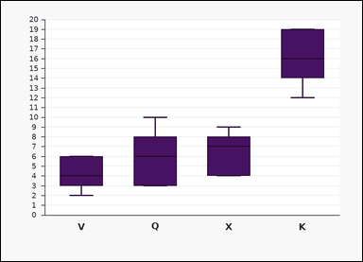 | 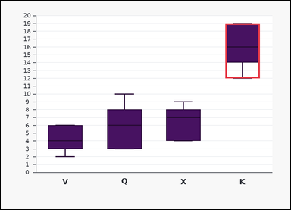 | task_charts_distribution_boxplot_label | highest_median | Use the distribution chart in the image. It shows a set of labeled boxplots. Each box spans the interquartile range, the line inside the box marks the median, and the whiskers show the minimum and maximum shown. Read the boxplot summaries and name the matching label. Determine which labeled boxplot has the largest median line value. Return a valid JSON object with keys "evidence" and "answer" in that order. Evidence field: set "evidence" to the highest median as an integer. Answer field: set "answer" to the single uppercase label of the requested boxplot. Example JSON: {"evidence":11,"answer":"M"} | Use the distribution chart in the image. It shows a set of labeled boxplots. Each box spans the interquartile range, the line inside the box marks the median, and the whiskers show the minimum and maximum shown. Read the boxplot summaries and name the matching label. Determine which labeled boxplot has the largest median line value. Return a valid JSON object with key "answer". Answer: set "answer" to the single uppercase label of the requested boxplot. Example JSON: {"answer":"M"} | {"evidence": 16, "answer": "K"} | 16 | option_letter | integer | 145755522680415 | charts/task_charts_distribution_boxplot_label/images/highest_median/0019.png | charts/task_charts_distribution_boxplot_label/data/highest_median/0019.json
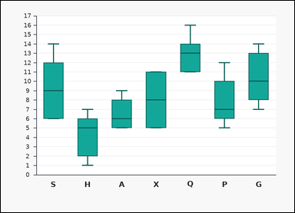 | 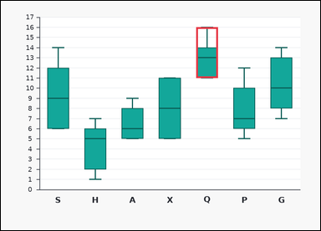 | task_charts_distribution_boxplot_label | highest_median | You are given a chart: a set of labeled boxplots. Each box spans the interquartile range, the line inside the box marks the median, and the whiskers show the minimum and maximum shown. Use the boxplots to identify the correct label. Identify the boxplot label with the greatest median. Return a valid JSON object with keys "evidence" and "answer" in that order. Evidence format: set "evidence" to the highest median as an integer. Answer requirement: set "answer" to the single uppercase label of the requested boxplot. Example JSON: {"evidence":11,"answer":"M"} | You are given a chart: a set of labeled boxplots. Each box spans the interquartile range, the line inside the box marks the median, and the whiskers show the minimum and maximum shown. Use the boxplots to identify the correct label. Identify the boxplot label with the greatest median. Return a valid JSON object with key "answer". Answer rule: set "answer" to the single uppercase label of the requested boxplot. Example JSON: {"answer":"M"} | {"evidence": 13, "answer": "Q"} | 13 | option_letter | integer | 650027914704904 | charts/task_charts_distribution_boxplot_label/images/highest_median/0008.png | charts/task_charts_distribution_boxplot_label/data/highest_median/0008.json
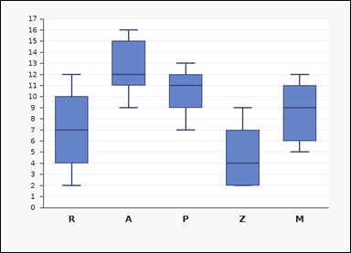 | 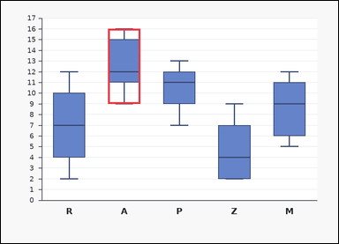 | task_charts_distribution_boxplot_label | highest_median | Look at the chart in the image. It shows a set of labeled boxplots. Each box spans the interquartile range, the line inside the box marks the median, and the whiskers show the minimum and maximum shown. Use the boxplots to identify the correct label. What label corresponds to the highest median? Return a valid JSON object with keys "evidence" and "answer" in that order. Evidence field: set "evidence" to the highest median as an integer. Answer field: set "answer" to the single uppercase label of the requested boxplot. Example JSON: {"evidence":11,"answer":"M"} | Look at the chart in the image. It shows a set of labeled boxplots. Each box spans the interquartile range, the line inside the box marks the median, and the whiskers show the minimum and maximum shown. Use the boxplots to identify the correct label. What label corresponds to the highest median? Return a valid JSON object with key "answer". Answer rule: set "answer" to the single uppercase label of the requested boxplot. Example JSON: {"answer":"M"} | {"evidence": 12, "answer": "A"} | 12 | option_letter | integer | 926058992683128 | charts/task_charts_distribution_boxplot_label/images/highest_median/0009.png | charts/task_charts_distribution_boxplot_label/data/highest_median/0009.json
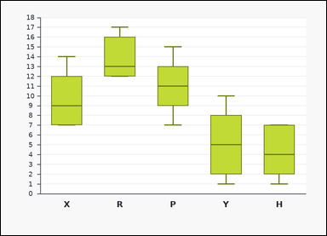 | 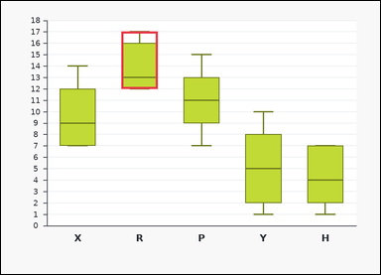 | task_charts_distribution_boxplot_label | highest_median | You are given a chart: a set of labeled boxplots. Each box spans the interquartile range, the line inside the box marks the median, and the whiskers show the minimum and maximum shown. Read the boxplot summaries and name the matching label. Determine which labeled boxplot has the largest median line value. Return a valid JSON object with keys "evidence" and "answer" in that order. Evidence format: set "evidence" to the highest median as an integer. Answer requirement: set "answer" to the single uppercase label of the requested boxplot. Example JSON: {"evidence":11,"answer":"M"} | You are given a chart: a set of labeled boxplots. Each box spans the interquartile range, the line inside the box marks the median, and the whiskers show the minimum and maximum shown. Read the boxplot summaries and name the matching label. Determine which labeled boxplot has the largest median line value. Return a valid JSON object with key "answer". Answer field: set "answer" to the single uppercase label of the requested boxplot. Example JSON: {"answer":"M"} | {"evidence": 13, "answer": "R"} | 13 | option_letter | integer | 1.0389085409E+15 | charts/task_charts_distribution_boxplot_label/images/highest_median/0007.png | charts/task_charts_distribution_boxplot_label/data/highest_median/0007.json
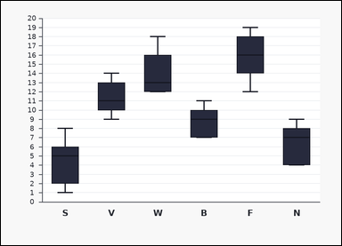 | 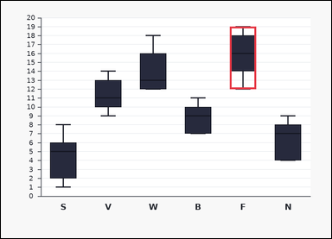 | task_charts_distribution_boxplot_label | highest_median | The image shows a set of labeled boxplots. Each box spans the interquartile range, the line inside the box marks the median, and the whiskers show the minimum and maximum shown. Use the boxplots to identify the correct label. Identify the boxplot label with the greatest median. Return a valid JSON object with keys "evidence" and "answer" in that order. Evidence: set "evidence" to the highest median as an integer. Answer: set "answer" to the single uppercase label of the requested boxplot. Example JSON: {"evidence":11,"answer":"M"} | The image shows a set of labeled boxplots. Each box spans the interquartile range, the line inside the box marks the median, and the whiskers show the minimum and maximum shown. Use the boxplots to identify the correct label. Identify the boxplot label with the greatest median. Return a valid JSON object with key "answer". Answer rule: set "answer" to the single uppercase label of the requested boxplot. Example JSON: {"answer":"M"} | {"evidence": 16, "answer": "F"} | 16 | option_letter | integer | 1.1213268104E+15 | charts/task_charts_distribution_boxplot_label/images/highest_median/0005.png | charts/task_charts_distribution_boxplot_label/data/highest_median/0005.json
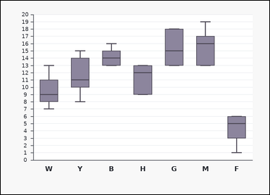 | 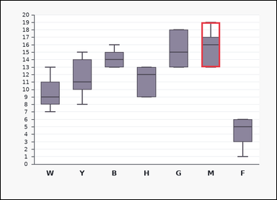 | task_charts_distribution_boxplot_label | highest_median | Use the distribution chart in the image. It shows a set of labeled boxplots. Each box spans the interquartile range, the line inside the box marks the median, and the whiskers show the minimum and maximum shown. Read the boxplot summaries and name the matching label. Identify the boxplot label with the greatest median. Return a valid JSON object with keys "evidence" and "answer" in that order. Evidence: set "evidence" to the highest median as an integer. Answer: set "answer" to the single uppercase label of the requested boxplot. Example JSON: {"evidence":11,"answer":"M"} | Use the distribution chart in the image. It shows a set of labeled boxplots. Each box spans the interquartile range, the line inside the box marks the median, and the whiskers show the minimum and maximum shown. Read the boxplot summaries and name the matching label. Identify the boxplot label with the greatest median. Return a valid JSON object with key "answer". Answer requirement: set "answer" to the single uppercase label of the requested boxplot. Example JSON: {"answer":"M"} | {"evidence": 16, "answer": "M"} | 16 | option_letter | integer | 1.7820307769E+15 | charts/task_charts_distribution_boxplot_label/images/highest_median/0011.png | charts/task_charts_distribution_boxplot_label/data/highest_median/0011.json
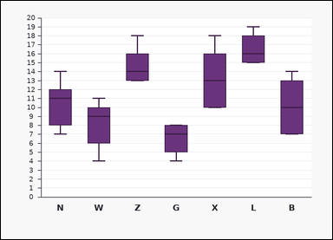 | 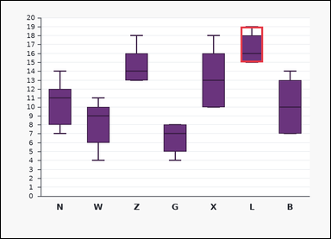 | task_charts_distribution_boxplot_label | highest_median | You are given a chart: a set of labeled boxplots. Each box spans the interquartile range, the line inside the box marks the median, and the whiskers show the minimum and maximum shown. Read the boxplot summaries and name the matching label. Identify the boxplot label with the greatest median. Return a valid JSON object with keys "evidence" and "answer" in that order. Evidence format: set "evidence" to the highest median as an integer. Answer requirement: set "answer" to the single uppercase label of the requested boxplot. Example JSON: {"evidence":11,"answer":"M"} | You are given a chart: a set of labeled boxplots. Each box spans the interquartile range, the line inside the box marks the median, and the whiskers show the minimum and maximum shown. Read the boxplot summaries and name the matching label. Identify the boxplot label with the greatest median. Return a valid JSON object with key "answer". Answer: set "answer" to the single uppercase label of the requested boxplot. Example JSON: {"answer":"M"} | {"evidence": 16, "answer": "L"} | 16 | option_letter | integer | 2.4641572857E+15 | charts/task_charts_distribution_boxplot_label/images/highest_median/0010.png | charts/task_charts_distribution_boxplot_label/data/highest_median/0010.json
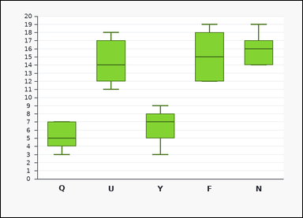 | 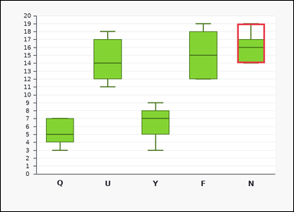 | task_charts_distribution_boxplot_label | highest_median | Use the distribution chart in the image. It shows a set of labeled boxplots. Each box spans the interquartile range, the line inside the box marks the median, and the whiskers show the minimum and maximum shown. Find the label of the boxplot that satisfies the requested condition. Which label has the highest median? Return a valid JSON object with keys "evidence" and "answer" in that order. Evidence field: set "evidence" to the highest median as an integer. Answer field: set "answer" to the single uppercase label of the requested boxplot. Example JSON: {"evidence":11,"answer":"M"} | Use the distribution chart in the image. It shows a set of labeled boxplots. Each box spans the interquartile range, the line inside the box marks the median, and the whiskers show the minimum and maximum shown. Find the label of the boxplot that satisfies the requested condition. Which label has the highest median? Return a valid JSON object with key "answer". Answer: set "answer" to the single uppercase label of the requested boxplot. Example JSON: {"answer":"M"} | {"evidence": 16, "answer": "N"} | 16 | option_letter | integer | 2.555892016E+15 | charts/task_charts_distribution_boxplot_label/images/highest_median/0016.png | charts/task_charts_distribution_boxplot_label/data/highest_median/0016.json
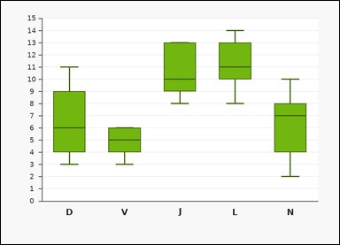 | 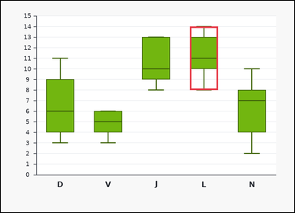 | task_charts_distribution_boxplot_label | highest_median | Look at the chart in the image. It shows a set of labeled boxplots. Each box spans the interquartile range, the line inside the box marks the median, and the whiskers show the minimum and maximum shown. Find the label of the boxplot that satisfies the requested condition. What label corresponds to the highest median? Return a valid JSON object with keys "evidence" and "answer" in that order. Evidence: set "evidence" to the highest median as an integer. Answer: set "answer" to the single uppercase label of the requested boxplot. Example JSON: {"evidence":11,"answer":"M"} | Look at the chart in the image. It shows a set of labeled boxplots. Each box spans the interquartile range, the line inside the box marks the median, and the whiskers show the minimum and maximum shown. Find the label of the boxplot that satisfies the requested condition. What label corresponds to the highest median? Return a valid JSON object with key "answer". Answer field: set "answer" to the single uppercase label of the requested boxplot. Example JSON: {"answer":"M"} | {"evidence": 11, "answer": "L"} | 11 | option_letter | integer | 3.2056622968E+15 | charts/task_charts_distribution_boxplot_label/images/highest_median/0002.png | charts/task_charts_distribution_boxplot_label/data/highest_median/0002.json
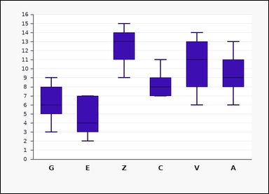 |  | task_charts_distribution_boxplot_label | highest_median | The image shows a set of labeled boxplots. Each box spans the interquartile range, the line inside the box marks the median, and the whiskers show the minimum and maximum shown. Answer this question. Find the label of the boxplot with the highest median. Return a valid JSON object with keys "evidence" and "answer" in that order. Evidence requirement: set "evidence" to the highest median as an integer. Answer format: set "answer" to the single uppercase label of the requested boxplot. Example JSON: {"evidence":11,"answer":"M"} | The image shows a set of labeled boxplots. Each box spans the interquartile range, the line inside the box marks the median, and the whiskers show the minimum and maximum shown. Answer this question. Find the label of the boxplot with the highest median. Return a valid JSON object with key "answer". Answer rule: set "answer" to the single uppercase label of the requested boxplot. Example JSON: {"answer":"M"} | {"evidence": 13, "answer": "Z"} | 13 | option_letter | integer | 3.2564824522E+15 | charts/task_charts_distribution_boxplot_label/images/highest_median/0023.png | charts/task_charts_distribution_boxplot_label/data/highest_median/0023.json
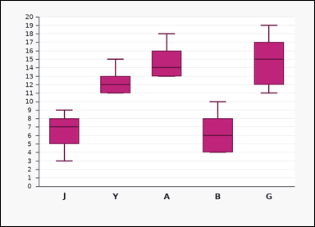 | 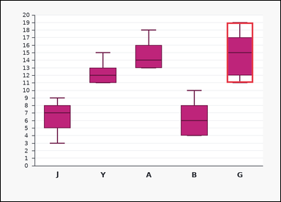 | task_charts_distribution_boxplot_label | highest_median | The image shows a set of labeled boxplots. Each box spans the interquartile range, the line inside the box marks the median, and the whiskers show the minimum and maximum shown. Determine which labeled boxplot matches the requested property. Determine which labeled boxplot has the largest median line value. Return a valid JSON object with keys "evidence" and "answer" in that order. Evidence rule: set "evidence" to the highest median as an integer. Answer rule: set "answer" to the single uppercase label of the requested boxplot. Example JSON: {"evidence":11,"answer":"M"} | The image shows a set of labeled boxplots. Each box spans the interquartile range, the line inside the box marks the median, and the whiskers show the minimum and maximum shown. Determine which labeled boxplot matches the requested property. Determine which labeled boxplot has the largest median line value. Return a valid JSON object with key "answer". Answer requirement: set "answer" to the single uppercase label of the requested boxplot. Example JSON: {"answer":"M"} | {"evidence": 15, "answer": "G"} | 15 | option_letter | integer | 3.344680425E+15 | charts/task_charts_distribution_boxplot_label/images/highest_median/0017.png | charts/task_charts_distribution_boxplot_label/data/highest_median/0017.json
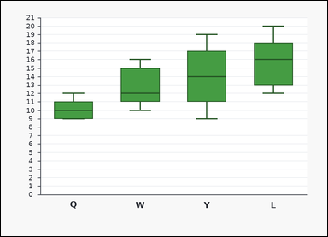 | 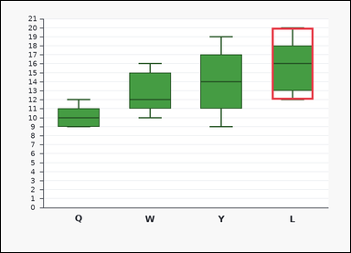 | task_charts_distribution_boxplot_label | highest_median | Use the distribution chart in the image. It shows a set of labeled boxplots. Each box spans the interquartile range, the line inside the box marks the median, and the whiskers show the minimum and maximum shown. Use the boxplots to identify the correct label. Identify the boxplot label with the greatest median. Return a valid JSON object with keys "evidence" and "answer" in that order. Evidence format: set "evidence" to the highest median as an integer. Answer requirement: set "answer" to the single uppercase label of the requested boxplot. Example JSON: {"evidence":11,"answer":"M"} | Use the distribution chart in the image. It shows a set of labeled boxplots. Each box spans the interquartile range, the line inside the box marks the median, and the whiskers show the minimum and maximum shown. Use the boxplots to identify the correct label. Identify the boxplot label with the greatest median. Return a valid JSON object with key "answer". Answer: set "answer" to the single uppercase label of the requested boxplot. Example JSON: {"answer":"M"} | {"evidence": 16, "answer": "L"} | 16 | option_letter | integer | 3.6601496822E+15 | charts/task_charts_distribution_boxplot_label/images/highest_median/0012.png | charts/task_charts_distribution_boxplot_label/data/highest_median/0012.json
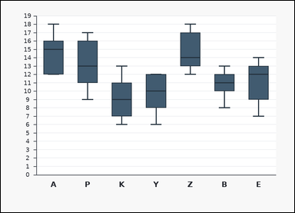 | 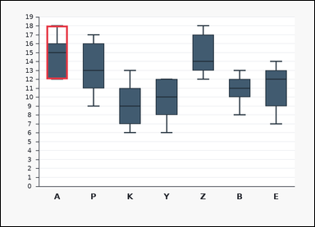 | task_charts_distribution_boxplot_label | highest_median | You are given a chart: a set of labeled boxplots. Each box spans the interquartile range, the line inside the box marks the median, and the whiskers show the minimum and maximum shown. Answer this question. Identify the boxplot label with the greatest median. Return a valid JSON object with keys "evidence" and "answer" in that order. Evidence format: set "evidence" to the highest median as an integer. Answer requirement: set "answer" to the single uppercase label of the requested boxplot. Example JSON: {"evidence":11,"answer":"M"} | You are given a chart: a set of labeled boxplots. Each box spans the interquartile range, the line inside the box marks the median, and the whiskers show the minimum and maximum shown. Answer this question. Identify the boxplot label with the greatest median. Return a valid JSON object with key "answer". Answer requirement: set "answer" to the single uppercase label of the requested boxplot. Example JSON: {"answer":"M"} | {"evidence": 15, "answer": "A"} | 15 | option_letter | integer | 3.7143925974E+15 | charts/task_charts_distribution_boxplot_label/images/highest_median/0014.png | charts/task_charts_distribution_boxplot_label/data/highest_median/0014.json
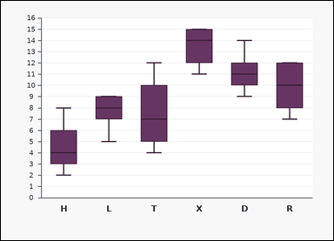 | 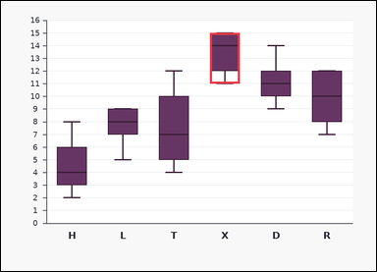 | task_charts_distribution_boxplot_label | highest_median | You are given a chart: a set of labeled boxplots. Each box spans the interquartile range, the line inside the box marks the median, and the whiskers show the minimum and maximum shown. Answer this question. Determine which labeled boxplot has the largest median line value. Return a valid JSON object with keys "evidence" and "answer" in that order. Evidence field: set "evidence" to the highest median as an integer. Answer field: set "answer" to the single uppercase label of the requested boxplot. Example JSON: {"evidence":11,"answer":"M"} | You are given a chart: a set of labeled boxplots. Each box spans the interquartile range, the line inside the box marks the median, and the whiskers show the minimum and maximum shown. Answer this question. Determine which labeled boxplot has the largest median line value. Return a valid JSON object with key "answer". Answer rule: set "answer" to the single uppercase label of the requested boxplot. Example JSON: {"answer":"M"} | {"evidence": 14, "answer": "X"} | 14 | option_letter | integer | 3.8715819358E+15 | charts/task_charts_distribution_boxplot_label/images/highest_median/0004.png | charts/task_charts_distribution_boxplot_label/data/highest_median/0004.json
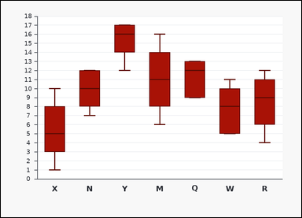 | 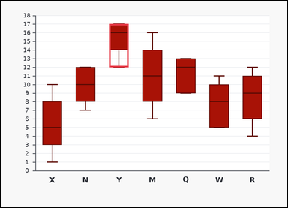 | task_charts_distribution_boxplot_label | highest_median | The image shows a set of labeled boxplots. Each box spans the interquartile range, the line inside the box marks the median, and the whiskers show the minimum and maximum shown. Use the boxplots to identify the correct label. What label corresponds to the highest median? Return a valid JSON object with keys "evidence" and "answer" in that order. Evidence: set "evidence" to the highest median as an integer. Answer: set "answer" to the single uppercase label of the requested boxplot. Example JSON: {"evidence":11,"answer":"M"} | The image shows a set of labeled boxplots. Each box spans the interquartile range, the line inside the box marks the median, and the whiskers show the minimum and maximum shown. Use the boxplots to identify the correct label. What label corresponds to the highest median? Return a valid JSON object with key "answer". Answer: set "answer" to the single uppercase label of the requested boxplot. Example JSON: {"answer":"M"} | {"evidence": 16, "answer": "Y"} | 16 | option_letter | integer | 3.9250241965E+15 | charts/task_charts_distribution_boxplot_label/images/highest_median/0006.png | charts/task_charts_distribution_boxplot_label/data/highest_median/0006.json
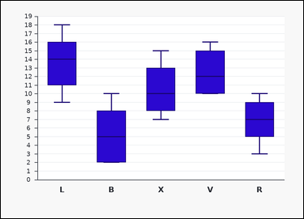 | 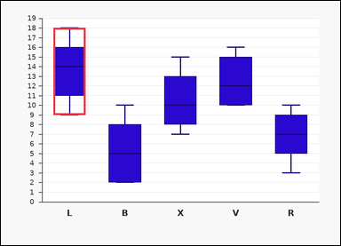 | task_charts_distribution_boxplot_label | highest_median | Use the distribution chart in the image. It shows a set of labeled boxplots. Each box spans the interquartile range, the line inside the box marks the median, and the whiskers show the minimum and maximum shown. Read the boxplot summaries and name the matching label. Find the label of the boxplot with the highest median. Return a valid JSON object with keys "evidence" and "answer" in that order. Evidence format: set "evidence" to the highest median as an integer. Answer requirement: set "answer" to the single uppercase label of the requested boxplot. Example JSON: {"evidence":11,"answer":"M"} | Use the distribution chart in the image. It shows a set of labeled boxplots. Each box spans the interquartile range, the line inside the box marks the median, and the whiskers show the minimum and maximum shown. Read the boxplot summaries and name the matching label. Find the label of the boxplot with the highest median. Return a valid JSON object with key "answer". Answer field: set "answer" to the single uppercase label of the requested boxplot. Example JSON: {"answer":"M"} | {"evidence": 14, "answer": "L"} | 14 | option_letter | integer | 4.0700323144E+15 | charts/task_charts_distribution_boxplot_label/images/highest_median/0000.png | charts/task_charts_distribution_boxplot_label/data/highest_median/0000.json
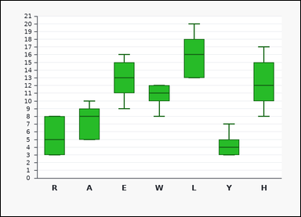 | 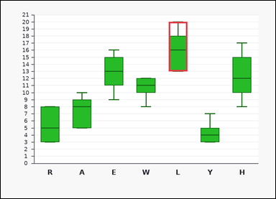 | task_charts_distribution_boxplot_label | highest_median | Look at the chart in the image. It shows a set of labeled boxplots. Each box spans the interquartile range, the line inside the box marks the median, and the whiskers show the minimum and maximum shown. Read the boxplot summaries and name the matching label. What label corresponds to the highest median? Return a valid JSON object with keys "evidence" and "answer" in that order. Evidence: set "evidence" to the highest median as an integer. Answer: set "answer" to the single uppercase label of the requested boxplot. Example JSON: {"evidence":11,"answer":"M"} | Look at the chart in the image. It shows a set of labeled boxplots. Each box spans the interquartile range, the line inside the box marks the median, and the whiskers show the minimum and maximum shown. Read the boxplot summaries and name the matching label. What label corresponds to the highest median? Return a valid JSON object with key "answer". Answer field: set "answer" to the single uppercase label of the requested boxplot. Example JSON: {"answer":"M"} | {"evidence": 16, "answer": "L"} | 16 | option_letter | integer | 4.0711430535E+15 | charts/task_charts_distribution_boxplot_label/images/highest_median/0015.png | charts/task_charts_distribution_boxplot_label/data/highest_median/0015.json
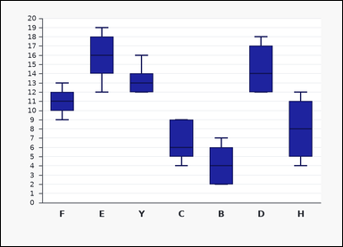 | 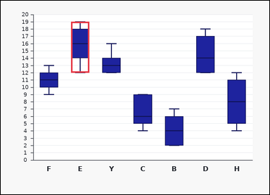 | task_charts_distribution_boxplot_label | highest_median | Work from the chart shown in the image: a set of labeled boxplots. Each box spans the interquartile range, the line inside the box marks the median, and the whiskers show the minimum and maximum shown. Use the boxplots to identify the correct label. Determine which labeled boxplot has the largest median line value. Return a valid JSON object with keys "evidence" and "answer" in that order. Evidence field: set "evidence" to the highest median as an integer. Answer field: set "answer" to the single uppercase label of the requested boxplot. Example JSON: {"evidence":11,"answer":"M"} | Work from the chart shown in the image: a set of labeled boxplots. Each box spans the interquartile range, the line inside the box marks the median, and the whiskers show the minimum and maximum shown. Use the boxplots to identify the correct label. Determine which labeled boxplot has the largest median line value. Return a valid JSON object with key "answer". Answer requirement: set "answer" to the single uppercase label of the requested boxplot. Example JSON: {"answer":"M"} | {"evidence": 16, "answer": "E"} | 16 | option_letter | integer | 4.6023869163E+15 | charts/task_charts_distribution_boxplot_label/images/highest_median/0001.png | charts/task_charts_distribution_boxplot_label/data/highest_median/0001.json
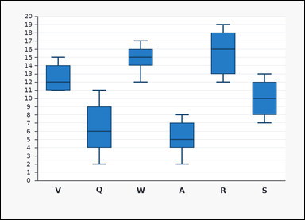 | 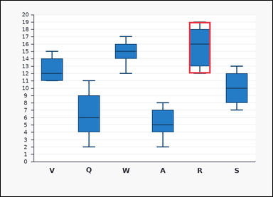 | task_charts_distribution_boxplot_label | highest_median | Look at the chart in the image. It shows a set of labeled boxplots. Each box spans the interquartile range, the line inside the box marks the median, and the whiskers show the minimum and maximum shown. Answer this question. Determine which labeled boxplot has the largest median line value. Return a valid JSON object with keys "evidence" and "answer" in that order. Evidence field: set "evidence" to the highest median as an integer. Answer field: set "answer" to the single uppercase label of the requested boxplot. Example JSON: {"evidence":11,"answer":"M"} | Look at the chart in the image. It shows a set of labeled boxplots. Each box spans the interquartile range, the line inside the box marks the median, and the whiskers show the minimum and maximum shown. Answer this question. Determine which labeled boxplot has the largest median line value. Return a valid JSON object with key "answer". Answer format: set "answer" to the single uppercase label of the requested boxplot. Example JSON: {"answer":"M"} | {"evidence": 16, "answer": "R"} | 16 | option_letter | integer | 5.1900134157E+15 | charts/task_charts_distribution_boxplot_label/images/highest_median/0018.png | charts/task_charts_distribution_boxplot_label/data/highest_median/0018.json
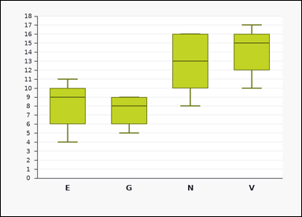 | 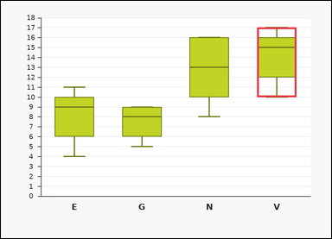 | task_charts_distribution_boxplot_label | highest_median | You are given a chart: a set of labeled boxplots. Each box spans the interquartile range, the line inside the box marks the median, and the whiskers show the minimum and maximum shown. Find the label of the boxplot that satisfies the requested condition. Which label has the highest median? Return a valid JSON object with keys "evidence" and "answer" in that order. Evidence requirement: set "evidence" to the highest median as an integer. Answer format: set "answer" to the single uppercase label of the requested boxplot. Example JSON: {"evidence":11,"answer":"M"} | You are given a chart: a set of labeled boxplots. Each box spans the interquartile range, the line inside the box marks the median, and the whiskers show the minimum and maximum shown. Find the label of the boxplot that satisfies the requested condition. Which label has the highest median? Return a valid JSON object with key "answer". Answer format: set "answer" to the single uppercase label of the requested boxplot. Example JSON: {"answer":"M"} | {"evidence": 15, "answer": "V"} | 15 | option_letter | integer | 5.7932112149E+15 | charts/task_charts_distribution_boxplot_label/images/highest_median/0020.png | charts/task_charts_distribution_boxplot_label/data/highest_median/0020.json
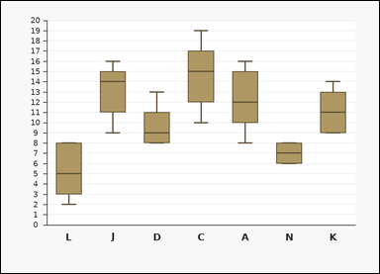 | 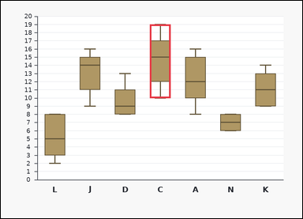 | task_charts_distribution_boxplot_label | highest_median | Work from the chart shown in the image: a set of labeled boxplots. Each box spans the interquartile range, the line inside the box marks the median, and the whiskers show the minimum and maximum shown. Answer this question. Find the label of the boxplot with the highest median. Return a valid JSON object with keys "evidence" and "answer" in that order. Evidence format: set "evidence" to the highest median as an integer. Answer requirement: set "answer" to the single uppercase label of the requested boxplot. Example JSON: {"evidence":11,"answer":"M"} | Work from the chart shown in the image: a set of labeled boxplots. Each box spans the interquartile range, the line inside the box marks the median, and the whiskers show the minimum and maximum shown. Answer this question. Find the label of the boxplot with the highest median. Return a valid JSON object with key "answer". Answer rule: set "answer" to the single uppercase label of the requested boxplot. Example JSON: {"answer":"M"} | {"evidence": 15, "answer": "C"} | 15 | option_letter | integer | 6.6487776099E+15 | charts/task_charts_distribution_boxplot_label/images/highest_median/0013.png | charts/task_charts_distribution_boxplot_label/data/highest_median/0013.json
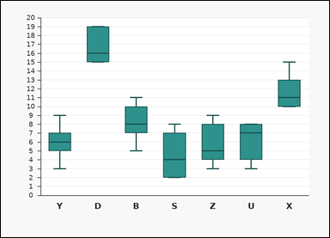 |  | task_charts_distribution_boxplot_label | highest_median | You are given a chart: a set of labeled boxplots. Each box spans the interquartile range, the line inside the box marks the median, and the whiskers show the minimum and maximum shown. Find the label of the boxplot that satisfies the requested condition. Identify the boxplot label with the greatest median. Return a valid JSON object with keys "evidence" and "answer" in that order. Evidence requirement: set "evidence" to the highest median as an integer. Answer format: set "answer" to the single uppercase label of the requested boxplot. Example JSON: {"evidence":11,"answer":"M"} | You are given a chart: a set of labeled boxplots. Each box spans the interquartile range, the line inside the box marks the median, and the whiskers show the minimum and maximum shown. Find the label of the boxplot that satisfies the requested condition. Identify the boxplot label with the greatest median. Return a valid JSON object with key "answer". Answer rule: set "answer" to the single uppercase label of the requested boxplot. Example JSON: {"answer":"M"} | {"evidence": 16, "answer": "D"} | 16 | option_letter | integer | 6.6498458707E+15 | charts/task_charts_distribution_boxplot_label/images/highest_median/0003.png | charts/task_charts_distribution_boxplot_label/data/highest_median/0003.json
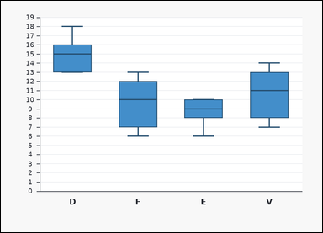 | 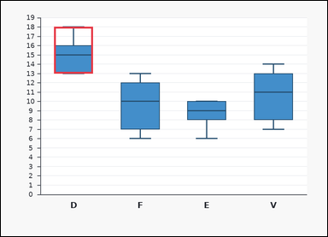 | task_charts_distribution_boxplot_label | highest_median | You are given a chart: a set of labeled boxplots. Each box spans the interquartile range, the line inside the box marks the median, and the whiskers show the minimum and maximum shown. Use the boxplots to identify the correct label. Determine which labeled boxplot has the largest median line value. Return a valid JSON object with keys "evidence" and "answer" in that order. Evidence: set "evidence" to the highest median as an integer. Answer: set "answer" to the single uppercase label of the requested boxplot. Example JSON: {"evidence":11,"answer":"M"} | You are given a chart: a set of labeled boxplots. Each box spans the interquartile range, the line inside the box marks the median, and the whiskers show the minimum and maximum shown. Use the boxplots to identify the correct label. Determine which labeled boxplot has the largest median line value. Return a valid JSON object with key "answer". Answer format: set "answer" to the single uppercase label of the requested boxplot. Example JSON: {"answer":"M"} | {"evidence": 15, "answer": "D"} | 15 | option_letter | integer | 7.348255003E+15 | charts/task_charts_distribution_boxplot_label/images/highest_median/0021.png | charts/task_charts_distribution_boxplot_label/data/highest_median/0021.json
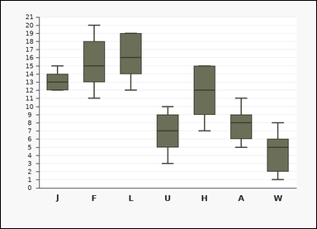 | 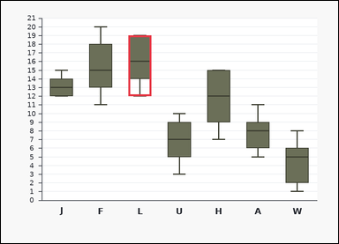 | task_charts_distribution_boxplot_label | highest_median | You are given a chart: a set of labeled boxplots. Each box spans the interquartile range, the line inside the box marks the median, and the whiskers show the minimum and maximum shown. Use the boxplots to identify the correct label. What label corresponds to the highest median? Return a valid JSON object with keys "evidence" and "answer" in that order. Evidence requirement: set "evidence" to the highest median as an integer. Answer format: set "answer" to the single uppercase label of the requested boxplot. Example JSON: {"evidence":11,"answer":"M"} | You are given a chart: a set of labeled boxplots. Each box spans the interquartile range, the line inside the box marks the median, and the whiskers show the minimum and maximum shown. Use the boxplots to identify the correct label. What label corresponds to the highest median? Return a valid JSON object with key "answer". Answer field: set "answer" to the single uppercase label of the requested boxplot. Example JSON: {"answer":"M"} | {"evidence": 16, "answer": "L"} | 16 | option_letter | integer | 8.8133154525E+15 | charts/task_charts_distribution_boxplot_label/images/highest_median/0024.png | charts/task_charts_distribution_boxplot_label/data/highest_median/0024.json
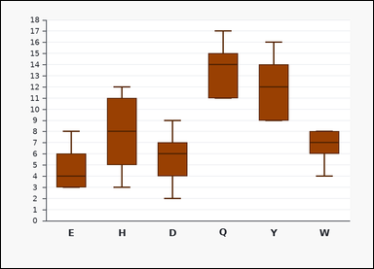 | 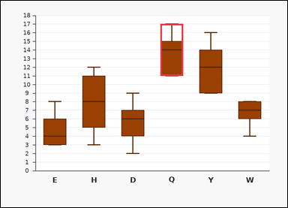 | task_charts_distribution_boxplot_label | highest_median | Look at the chart in the image. It shows a set of labeled boxplots. Each box spans the interquartile range, the line inside the box marks the median, and the whiskers show the minimum and maximum shown. Use the boxplots to identify the correct label. What label corresponds to the highest median? Return a valid JSON object with keys "evidence" and "answer" in that order. Evidence requirement: set "evidence" to the highest median as an integer. Answer format: set "answer" to the single uppercase label of the requested boxplot. Example JSON: {"evidence":11,"answer":"M"} | Look at the chart in the image. It shows a set of labeled boxplots. Each box spans the interquartile range, the line inside the box marks the median, and the whiskers show the minimum and maximum shown. Use the boxplots to identify the correct label. What label corresponds to the highest median? Return a valid JSON object with key "answer". Answer rule: set "answer" to the single uppercase label of the requested boxplot. Example JSON: {"answer":"M"} | {"evidence": 14, "answer": "Q"} | 14 | option_letter | integer | 8.8277046375E+15 | charts/task_charts_distribution_boxplot_label/images/highest_median/0022.png | charts/task_charts_distribution_boxplot_label/data/highest_median/0022.json

largest_iqr
image | evidence_image | task | task_variant | prompt | prompt_answer_only | answer | answer_evidence | answer_type | evidence_type | instance_seed | image_path | data_path
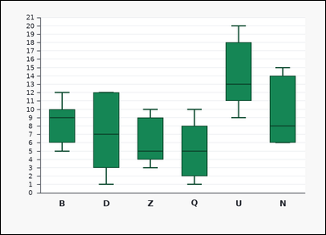 | 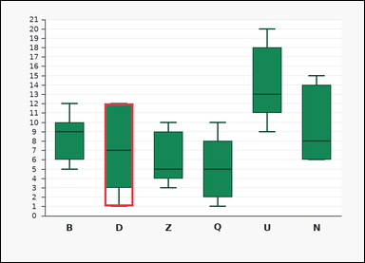 | task_charts_distribution_boxplot_label | largest_iqr | You are given a chart: a set of labeled boxplots. Each box spans the interquartile range, the line inside the box marks the median, and the whiskers show the minimum and maximum shown. Answer this question. Find the label of the boxplot with the widest interquartile range. Return a valid JSON object with keys "evidence" and "answer" in that order. Evidence: set "evidence" to the largest interquartile range as an integer. Answer: set "answer" to the single uppercase label of the requested boxplot. Example JSON: {"evidence":6,"answer":"Q"} | You are given a chart: a set of labeled boxplots. Each box spans the interquartile range, the line inside the box marks the median, and the whiskers show the minimum and maximum shown. Answer this question. Find the label of the boxplot with the widest interquartile range. Return a valid JSON object with key "answer". Answer requirement: set "answer" to the single uppercase label of the requested boxplot. Example JSON: {"answer":"Q"} | {"evidence": 9, "answer": "D"} | 9 | option_letter | integer | 83219306747412 | charts/task_charts_distribution_boxplot_label/images/largest_iqr/0013.png | charts/task_charts_distribution_boxplot_label/data/largest_iqr/0013.json
 |  | task_charts_distribution_boxplot_label | largest_iqr | Look at the chart in the image. It shows a set of labeled boxplots. Each box spans the interquartile range, the line inside the box marks the median, and the whiskers show the minimum and maximum shown. Read the boxplot summaries and name the matching label. What label corresponds to the largest interquartile range? Return a valid JSON object with keys "evidence" and "answer" in that order. Evidence requirement: set "evidence" to the largest interquartile range as an integer. Answer format: set "answer" to the single uppercase label of the requested boxplot. Example JSON: {"evidence":6,"answer":"Q"} | Look at the chart in the image. It shows a set of labeled boxplots. Each box spans the interquartile range, the line inside the box marks the median, and the whiskers show the minimum and maximum shown. Read the boxplot summaries and name the matching label. What label corresponds to the largest interquartile range? Return a valid JSON object with key "answer". Answer: set "answer" to the single uppercase label of the requested boxplot. Example JSON: {"answer":"Q"} | {"evidence": 8, "answer": "H"} | 8 | option_letter | integer | 105432216620667 | charts/task_charts_distribution_boxplot_label/images/largest_iqr/0021.png | charts/task_charts_distribution_boxplot_label/data/largest_iqr/0021.json
 |  | task_charts_distribution_boxplot_label | largest_iqr | Look at the chart in the image. It shows a set of labeled boxplots. Each box spans the interquartile range, the line inside the box marks the median, and the whiskers show the minimum and maximum shown. Find the label of the boxplot that satisfies the requested condition. Which label has the largest interquartile range? Return a valid JSON object with keys "evidence" and "answer" in that order. Evidence rule: set "evidence" to the largest interquartile range as an integer. Answer rule: set "answer" to the single uppercase label of the requested boxplot. Example JSON: {"evidence":6,"answer":"Q"} | Look at the chart in the image. It shows a set of labeled boxplots. Each box spans the interquartile range, the line inside the box marks the median, and the whiskers show the minimum and maximum shown. Find the label of the boxplot that satisfies the requested condition. Which label has the largest interquartile range? Return a valid JSON object with key "answer". Answer format: set "answer" to the single uppercase label of the requested boxplot. Example JSON: {"answer":"Q"} | {"evidence": 9, "answer": "D"} | 9 | option_letter | integer | 204083451805080 | charts/task_charts_distribution_boxplot_label/images/largest_iqr/0016.png | charts/task_charts_distribution_boxplot_label/data/largest_iqr/0016.json
 |  | task_charts_distribution_boxplot_label | largest_iqr | Work from the chart shown in the image: a set of labeled boxplots. Each box spans the interquartile range, the line inside the box marks the median, and the whiskers show the minimum and maximum shown. Use the boxplots to identify the correct label. What label corresponds to the largest interquartile range? Return a valid JSON object with keys "evidence" and "answer" in that order. Evidence requirement: set "evidence" to the largest interquartile range as an integer. Answer format: set "answer" to the single uppercase label of the requested boxplot. Example JSON: {"evidence":6,"answer":"Q"} | Work from the chart shown in the image: a set of labeled boxplots. Each box spans the interquartile range, the line inside the box marks the median, and the whiskers show the minimum and maximum shown. Use the boxplots to identify the correct label. What label corresponds to the largest interquartile range? Return a valid JSON object with key "answer". Answer format: set "answer" to the single uppercase label of the requested boxplot. Example JSON: {"answer":"Q"} | {"evidence": 9, "answer": "K"} | 9 | option_letter | integer | 1.3622359737E+15 | charts/task_charts_distribution_boxplot_label/images/largest_iqr/0004.png | charts/task_charts_distribution_boxplot_label/data/largest_iqr/0004.json
 |  | task_charts_distribution_boxplot_label | largest_iqr | Work from the chart shown in the image: a set of labeled boxplots. Each box spans the interquartile range, the line inside the box marks the median, and the whiskers show the minimum and maximum shown. Answer this question. Identify the boxplot label with the widest box. Return a valid JSON object with keys "evidence" and "answer" in that order. Evidence format: set "evidence" to the largest interquartile range as an integer. Answer requirement: set "answer" to the single uppercase label of the requested boxplot. Example JSON: {"evidence":6,"answer":"Q"} | Work from the chart shown in the image: a set of labeled boxplots. Each box spans the interquartile range, the line inside the box marks the median, and the whiskers show the minimum and maximum shown. Answer this question. Identify the boxplot label with the widest box. Return a valid JSON object with key "answer". Answer rule: set "answer" to the single uppercase label of the requested boxplot. Example JSON: {"answer":"Q"} | {"evidence": 8, "answer": "B"} | 8 | option_letter | integer | 1.573912917E+15 | charts/task_charts_distribution_boxplot_label/images/largest_iqr/0011.png | charts/task_charts_distribution_boxplot_label/data/largest_iqr/0011.json
 |  | task_charts_distribution_boxplot_label | largest_iqr | Work from the chart shown in the image: a set of labeled boxplots. Each box spans the interquartile range, the line inside the box marks the median, and the whiskers show the minimum and maximum shown. Answer this question. Which label has the largest interquartile range? Return a valid JSON object with keys "evidence" and "answer" in that order. Evidence format: set "evidence" to the largest interquartile range as an integer. Answer requirement: set "answer" to the single uppercase label of the requested boxplot. Example JSON: {"evidence":6,"answer":"Q"} | Work from the chart shown in the image: a set of labeled boxplots. Each box spans the interquartile range, the line inside the box marks the median, and the whiskers show the minimum and maximum shown. Answer this question. Which label has the largest interquartile range? Return a valid JSON object with key "answer". Answer rule: set "answer" to the single uppercase label of the requested boxplot. Example JSON: {"answer":"Q"} | {"evidence": 9, "answer": "E"} | 9 | option_letter | integer | 1.6353887922E+15 | charts/task_charts_distribution_boxplot_label/images/largest_iqr/0006.png | charts/task_charts_distribution_boxplot_label/data/largest_iqr/0006.json
 |  | task_charts_distribution_boxplot_label | largest_iqr | The image shows a set of labeled boxplots. Each box spans the interquartile range, the line inside the box marks the median, and the whiskers show the minimum and maximum shown. Find the label of the boxplot that satisfies the requested condition. What label corresponds to the largest interquartile range? Return a valid JSON object with keys "evidence" and "answer" in that order. Evidence requirement: set "evidence" to the largest interquartile range as an integer. Answer format: set "answer" to the single uppercase label of the requested boxplot. Example JSON: {"evidence":6,"answer":"Q"} | The image shows a set of labeled boxplots. Each box spans the interquartile range, the line inside the box marks the median, and the whiskers show the minimum and maximum shown. Find the label of the boxplot that satisfies the requested condition. What label corresponds to the largest interquartile range? Return a valid JSON object with key "answer". Answer format: set "answer" to the single uppercase label of the requested boxplot. Example JSON: {"answer":"Q"} | {"evidence": 9, "answer": "Y"} | 9 | option_letter | integer | 1.765863004E+15 | charts/task_charts_distribution_boxplot_label/images/largest_iqr/0000.png | charts/task_charts_distribution_boxplot_label/data/largest_iqr/0000.json
 |  | task_charts_distribution_boxplot_label | largest_iqr | The image shows a set of labeled boxplots. Each box spans the interquartile range, the line inside the box marks the median, and the whiskers show the minimum and maximum shown. Find the label of the boxplot that satisfies the requested condition. Identify the boxplot label with the widest box. Return a valid JSON object with keys "evidence" and "answer" in that order. Evidence format: set "evidence" to the largest interquartile range as an integer. Answer requirement: set "answer" to the single uppercase label of the requested boxplot. Example JSON: {"evidence":6,"answer":"Q"} | The image shows a set of labeled boxplots. Each box spans the interquartile range, the line inside the box marks the median, and the whiskers show the minimum and maximum shown. Find the label of the boxplot that satisfies the requested condition. Identify the boxplot label with the widest box. Return a valid JSON object with key "answer". Answer rule: set "answer" to the single uppercase label of the requested boxplot. Example JSON: {"answer":"Q"} | {"evidence": 8, "answer": "X"} | 8 | option_letter | integer | 1.7955973773E+15 | charts/task_charts_distribution_boxplot_label/images/largest_iqr/0022.png | charts/task_charts_distribution_boxplot_label/data/largest_iqr/0022.json
 |  | task_charts_distribution_boxplot_label | largest_iqr | The image shows a set of labeled boxplots. Each box spans the interquartile range, the line inside the box marks the median, and the whiskers show the minimum and maximum shown. Answer this question. Identify the boxplot label with the widest box. Return a valid JSON object with keys "evidence" and "answer" in that order. Evidence: set "evidence" to the largest interquartile range as an integer. Answer: set "answer" to the single uppercase label of the requested boxplot. Example JSON: {"evidence":6,"answer":"Q"} | The image shows a set of labeled boxplots. Each box spans the interquartile range, the line inside the box marks the median, and the whiskers show the minimum and maximum shown. Answer this question. Identify the boxplot label with the widest box. Return a valid JSON object with key "answer". Answer format: set "answer" to the single uppercase label of the requested boxplot. Example JSON: {"answer":"Q"} | {"evidence": 9, "answer": "H"} | 9 | option_letter | integer | 1.8283931117E+15 | charts/task_charts_distribution_boxplot_label/images/largest_iqr/0007.png | charts/task_charts_distribution_boxplot_label/data/largest_iqr/0007.json
 |  | task_charts_distribution_boxplot_label | largest_iqr | You are given a chart: a set of labeled boxplots. Each box spans the interquartile range, the line inside the box marks the median, and the whiskers show the minimum and maximum shown. Use the boxplots to identify the correct label. Which label has the largest interquartile range? Return a valid JSON object with keys "evidence" and "answer" in that order. Evidence field: set "evidence" to the largest interquartile range as an integer. Answer field: set "answer" to the single uppercase label of the requested boxplot. Example JSON: {"evidence":6,"answer":"Q"} | You are given a chart: a set of labeled boxplots. Each box spans the interquartile range, the line inside the box marks the median, and the whiskers show the minimum and maximum shown. Use the boxplots to identify the correct label. Which label has the largest interquartile range? Return a valid JSON object with key "answer". Answer requirement: set "answer" to the single uppercase label of the requested boxplot. Example JSON: {"answer":"Q"} | {"evidence": 9, "answer": "Z"} | 9 | option_letter | integer | 1.9334972748E+15 | charts/task_charts_distribution_boxplot_label/images/largest_iqr/0012.png | charts/task_charts_distribution_boxplot_label/data/largest_iqr/0012.json
 |  | task_charts_distribution_boxplot_label | largest_iqr | The image shows a set of labeled boxplots. Each box spans the interquartile range, the line inside the box marks the median, and the whiskers show the minimum and maximum shown. Use the boxplots to identify the correct label. Determine which labeled boxplot has the largest IQR. Return a valid JSON object with keys "evidence" and "answer" in that order. Evidence: set "evidence" to the largest interquartile range as an integer. Answer: set "answer" to the single uppercase label of the requested boxplot. Example JSON: {"evidence":6,"answer":"Q"} | The image shows a set of labeled boxplots. Each box spans the interquartile range, the line inside the box marks the median, and the whiskers show the minimum and maximum shown. Use the boxplots to identify the correct label. Determine which labeled boxplot has the largest IQR. Return a valid JSON object with key "answer". Answer: set "answer" to the single uppercase label of the requested boxplot. Example JSON: {"answer":"Q"} | {"evidence": 9, "answer": "T"} | 9 | option_letter | integer | 2.0464081494E+15 | charts/task_charts_distribution_boxplot_label/images/largest_iqr/0002.png | charts/task_charts_distribution_boxplot_label/data/largest_iqr/0002.json
 |  | task_charts_distribution_boxplot_label | largest_iqr | You are given a chart: a set of labeled boxplots. Each box spans the interquartile range, the line inside the box marks the median, and the whiskers show the minimum and maximum shown. Answer this question. Which label has the largest interquartile range? Return a valid JSON object with keys "evidence" and "answer" in that order. Evidence: set "evidence" to the largest interquartile range as an integer. Answer: set "answer" to the single uppercase label of the requested boxplot. Example JSON: {"evidence":6,"answer":"Q"} | You are given a chart: a set of labeled boxplots. Each box spans the interquartile range, the line inside the box marks the median, and the whiskers show the minimum and maximum shown. Answer this question. Which label has the largest interquartile range? Return a valid JSON object with key "answer". Answer format: set "answer" to the single uppercase label of the requested boxplot. Example JSON: {"answer":"Q"} | {"evidence": 9, "answer": "B"} | 9 | option_letter | integer | 2.3442936343E+15 | charts/task_charts_distribution_boxplot_label/images/largest_iqr/0001.png | charts/task_charts_distribution_boxplot_label/data/largest_iqr/0001.json
 |  | task_charts_distribution_boxplot_label | largest_iqr | You are given a chart: a set of labeled boxplots. Each box spans the interquartile range, the line inside the box marks the median, and the whiskers show the minimum and maximum shown. Answer this question. Identify the boxplot label with the widest box. Return a valid JSON object with keys "evidence" and "answer" in that order. Evidence requirement: set "evidence" to the largest interquartile range as an integer. Answer format: set "answer" to the single uppercase label of the requested boxplot. Example JSON: {"evidence":6,"answer":"Q"} | You are given a chart: a set of labeled boxplots. Each box spans the interquartile range, the line inside the box marks the median, and the whiskers show the minimum and maximum shown. Answer this question. Identify the boxplot label with the widest box. Return a valid JSON object with key "answer". Answer requirement: set "answer" to the single uppercase label of the requested boxplot. Example JSON: {"answer":"Q"} | {"evidence": 9, "answer": "W"} | 9 | option_letter | integer | 4.1280345173E+15 | charts/task_charts_distribution_boxplot_label/images/largest_iqr/0020.png | charts/task_charts_distribution_boxplot_label/data/largest_iqr/0020.json
 |  | task_charts_distribution_boxplot_label | largest_iqr | Work from the chart shown in the image: a set of labeled boxplots. Each box spans the interquartile range, the line inside the box marks the median, and the whiskers show the minimum and maximum shown. Use the boxplots to identify the correct label. Find the label of the boxplot with the widest interquartile range. Return a valid JSON object with keys "evidence" and "answer" in that order. Evidence requirement: set "evidence" to the largest interquartile range as an integer. Answer format: set "answer" to the single uppercase label of the requested boxplot. Example JSON: {"evidence":6,"answer":"Q"} | Work from the chart shown in the image: a set of labeled boxplots. Each box spans the interquartile range, the line inside the box marks the median, and the whiskers show the minimum and maximum shown. Use the boxplots to identify the correct label. Find the label of the boxplot with the widest interquartile range. Return a valid JSON object with key "answer". Answer: set "answer" to the single uppercase label of the requested boxplot. Example JSON: {"answer":"Q"} | {"evidence": 8, "answer": "R"} | 8 | option_letter | integer | 4.4880492875E+15 | charts/task_charts_distribution_boxplot_label/images/largest_iqr/0023.png | charts/task_charts_distribution_boxplot_label/data/largest_iqr/0023.json
 |  | task_charts_distribution_boxplot_label | largest_iqr | Work from the chart shown in the image: a set of labeled boxplots. Each box spans the interquartile range, the line inside the box marks the median, and the whiskers show the minimum and maximum shown. Determine which labeled boxplot matches the requested property. Identify the boxplot label with the widest box. Return a valid JSON object with keys "evidence" and "answer" in that order. Evidence format: set "evidence" to the largest interquartile range as an integer. Answer requirement: set "answer" to the single uppercase label of the requested boxplot. Example JSON: {"evidence":6,"answer":"Q"} | Work from the chart shown in the image: a set of labeled boxplots. Each box spans the interquartile range, the line inside the box marks the median, and the whiskers show the minimum and maximum shown. Determine which labeled boxplot matches the requested property. Identify the boxplot label with the widest box. Return a valid JSON object with key "answer". Answer field: set "answer" to the single uppercase label of the requested boxplot. Example JSON: {"answer":"Q"} | {"evidence": 9, "answer": "Y"} | 9 | option_letter | integer | 5.764387052E+15 | charts/task_charts_distribution_boxplot_label/images/largest_iqr/0003.png | charts/task_charts_distribution_boxplot_label/data/largest_iqr/0003.json
 |  | task_charts_distribution_boxplot_label | largest_iqr | The image shows a set of labeled boxplots. Each box spans the interquartile range, the line inside the box marks the median, and the whiskers show the minimum and maximum shown. Read the boxplot summaries and name the matching label. Which label has the largest interquartile range? Return a valid JSON object with keys "evidence" and "answer" in that order. Evidence rule: set "evidence" to the largest interquartile range as an integer. Answer rule: set "answer" to the single uppercase label of the requested boxplot. Example JSON: {"evidence":6,"answer":"Q"} | The image shows a set of labeled boxplots. Each box spans the interquartile range, the line inside the box marks the median, and the whiskers show the minimum and maximum shown. Read the boxplot summaries and name the matching label. Which label has the largest interquartile range? Return a valid JSON object with key "answer". Answer rule: set "answer" to the single uppercase label of the requested boxplot. Example JSON: {"answer":"Q"} | {"evidence": 7, "answer": "C"} | 7 | option_letter | integer | 6.0937606258E+15 | charts/task_charts_distribution_boxplot_label/images/largest_iqr/0018.png | charts/task_charts_distribution_boxplot_label/data/largest_iqr/0018.json
 |  | task_charts_distribution_boxplot_label | largest_iqr | You are given a chart: a set of labeled boxplots. Each box spans the interquartile range, the line inside the box marks the median, and the whiskers show the minimum and maximum shown. Determine which labeled boxplot matches the requested property. Determine which labeled boxplot has the largest IQR. Return a valid JSON object with keys "evidence" and "answer" in that order. Evidence rule: set "evidence" to the largest interquartile range as an integer. Answer rule: set "answer" to the single uppercase label of the requested boxplot. Example JSON: {"evidence":6,"answer":"Q"} | You are given a chart: a set of labeled boxplots. Each box spans the interquartile range, the line inside the box marks the median, and the whiskers show the minimum and maximum shown. Determine which labeled boxplot matches the requested property. Determine which labeled boxplot has the largest IQR. Return a valid JSON object with key "answer". Answer field: set "answer" to the single uppercase label of the requested boxplot. Example JSON: {"answer":"Q"} | {"evidence": 9, "answer": "Q"} | 9 | option_letter | integer | 6.8153156623E+15 | charts/task_charts_distribution_boxplot_label/images/largest_iqr/0015.png | charts/task_charts_distribution_boxplot_label/data/largest_iqr/0015.json
 |  | task_charts_distribution_boxplot_label | largest_iqr | Work from the chart shown in the image: a set of labeled boxplots. Each box spans the interquartile range, the line inside the box marks the median, and the whiskers show the minimum and maximum shown. Find the label of the boxplot that satisfies the requested condition. Which label has the largest interquartile range? Return a valid JSON object with keys "evidence" and "answer" in that order. Evidence: set "evidence" to the largest interquartile range as an integer. Answer: set "answer" to the single uppercase label of the requested boxplot. Example JSON: {"evidence":6,"answer":"Q"} | Work from the chart shown in the image: a set of labeled boxplots. Each box spans the interquartile range, the line inside the box marks the median, and the whiskers show the minimum and maximum shown. Find the label of the boxplot that satisfies the requested condition. Which label has the largest interquartile range? Return a valid JSON object with key "answer". Answer field: set "answer" to the single uppercase label of the requested boxplot. Example JSON: {"answer":"Q"} | {"evidence": 9, "answer": "E"} | 9 | option_letter | integer | 7.3057024866E+15 | charts/task_charts_distribution_boxplot_label/images/largest_iqr/0014.png | charts/task_charts_distribution_boxplot_label/data/largest_iqr/0014.json
 |  | task_charts_distribution_boxplot_label | largest_iqr | You are given a chart: a set of labeled boxplots. Each box spans the interquartile range, the line inside the box marks the median, and the whiskers show the minimum and maximum shown. Determine which labeled boxplot matches the requested property. What label corresponds to the largest interquartile range? Return a valid JSON object with keys "evidence" and "answer" in that order. Evidence rule: set "evidence" to the largest interquartile range as an integer. Answer rule: set "answer" to the single uppercase label of the requested boxplot. Example JSON: {"evidence":6,"answer":"Q"} | You are given a chart: a set of labeled boxplots. Each box spans the interquartile range, the line inside the box marks the median, and the whiskers show the minimum and maximum shown. Determine which labeled boxplot matches the requested property. What label corresponds to the largest interquartile range? Return a valid JSON object with key "answer". Answer: set "answer" to the single uppercase label of the requested boxplot. Example JSON: {"answer":"Q"} | {"evidence": 7, "answer": "L"} | 7 | option_letter | integer | 7.521176641E+15 | charts/task_charts_distribution_boxplot_label/images/largest_iqr/0017.png | charts/task_charts_distribution_boxplot_label/data/largest_iqr/0017.json
 |  | task_charts_distribution_boxplot_label | largest_iqr | Look at the chart in the image. It shows a set of labeled boxplots. Each box spans the interquartile range, the line inside the box marks the median, and the whiskers show the minimum and maximum shown. Use the boxplots to identify the correct label. Which label has the largest interquartile range? Return a valid JSON object with keys "evidence" and "answer" in that order. Evidence format: set "evidence" to the largest interquartile range as an integer. Answer requirement: set "answer" to the single uppercase label of the requested boxplot. Example JSON: {"evidence":6,"answer":"Q"} | Look at the chart in the image. It shows a set of labeled boxplots. Each box spans the interquartile range, the line inside the box marks the median, and the whiskers show the minimum and maximum shown. Use the boxplots to identify the correct label. Which label has the largest interquartile range? Return a valid JSON object with key "answer". Answer format: set "answer" to the single uppercase label of the requested boxplot. Example JSON: {"answer":"Q"} | {"evidence": 9, "answer": "R"} | 9 | option_letter | integer | 7.5598960582E+15 | charts/task_charts_distribution_boxplot_label/images/largest_iqr/0019.png | charts/task_charts_distribution_boxplot_label/data/largest_iqr/0019.json
 |  | task_charts_distribution_boxplot_label | largest_iqr | Use the distribution chart in the image. It shows a set of labeled boxplots. Each box spans the interquartile range, the line inside the box marks the median, and the whiskers show the minimum and maximum shown. Find the label of the boxplot that satisfies the requested condition. Determine which labeled boxplot has the largest IQR. Return a valid JSON object with keys "evidence" and "answer" in that order. Evidence format: set "evidence" to the largest interquartile range as an integer. Answer requirement: set "answer" to the single uppercase label of the requested boxplot. Example JSON: {"evidence":6,"answer":"Q"} | Use the distribution chart in the image. It shows a set of labeled boxplots. Each box spans the interquartile range, the line inside the box marks the median, and the whiskers show the minimum and maximum shown. Find the label of the boxplot that satisfies the requested condition. Determine which labeled boxplot has the largest IQR. Return a valid JSON object with key "answer". Answer format: set "answer" to the single uppercase label of the requested boxplot. Example JSON: {"answer":"Q"} | {"evidence": 9, "answer": "A"} | 9 | option_letter | integer | 7.6247926168E+15 | charts/task_charts_distribution_boxplot_label/images/largest_iqr/0010.png | charts/task_charts_distribution_boxplot_label/data/largest_iqr/0010.json
 |  | task_charts_distribution_boxplot_label | largest_iqr | Work from the chart shown in the image: a set of labeled boxplots. Each box spans the interquartile range, the line inside the box marks the median, and the whiskers show the minimum and maximum shown. Use the boxplots to identify the correct label. Find the label of the boxplot with the widest interquartile range. Return a valid JSON object with keys "evidence" and "answer" in that order. Evidence format: set "evidence" to the largest interquartile range as an integer. Answer requirement: set "answer" to the single uppercase label of the requested boxplot. Example JSON: {"evidence":6,"answer":"Q"} | Work from the chart shown in the image: a set of labeled boxplots. Each box spans the interquartile range, the line inside the box marks the median, and the whiskers show the minimum and maximum shown. Use the boxplots to identify the correct label. Find the label of the boxplot with the widest interquartile range. Return a valid JSON object with key "answer". Answer field: set "answer" to the single uppercase label of the requested boxplot. Example JSON: {"answer":"Q"} | {"evidence": 9, "answer": "H"} | 9 | option_letter | integer | 8.7096113677E+15 | charts/task_charts_distribution_boxplot_label/images/largest_iqr/0009.png | charts/task_charts_distribution_boxplot_label/data/largest_iqr/0009.json
 |  | task_charts_distribution_boxplot_label | largest_iqr | You are given a chart: a set of labeled boxplots. Each box spans the interquartile range, the line inside the box marks the median, and the whiskers show the minimum and maximum shown. Use the boxplots to identify the correct label. What label corresponds to the largest interquartile range? Return a valid JSON object with keys "evidence" and "answer" in that order. Evidence: set "evidence" to the largest interquartile range as an integer. Answer: set "answer" to the single uppercase label of the requested boxplot. Example JSON: {"evidence":6,"answer":"Q"} | You are given a chart: a set of labeled boxplots. Each box spans the interquartile range, the line inside the box marks the median, and the whiskers show the minimum and maximum shown. Use the boxplots to identify the correct label. What label corresponds to the largest interquartile range? Return a valid JSON object with key "answer". Answer format: set "answer" to the single uppercase label of the requested boxplot. Example JSON: {"answer":"Q"} | {"evidence": 9, "answer": "J"} | 9 | option_letter | integer | 8.8698376978E+15 | charts/task_charts_distribution_boxplot_label/images/largest_iqr/0005.png | charts/task_charts_distribution_boxplot_label/data/largest_iqr/0005.json
 |  | task_charts_distribution_boxplot_label | largest_iqr | The image shows a set of labeled boxplots. Each box spans the interquartile range, the line inside the box marks the median, and the whiskers show the minimum and maximum shown. Use the boxplots to identify the correct label. Identify the boxplot label with the widest box. Return a valid JSON object with keys "evidence" and "answer" in that order. Evidence: set "evidence" to the largest interquartile range as an integer. Answer: set "answer" to the single uppercase label of the requested boxplot. Example JSON: {"evidence":6,"answer":"Q"} | The image shows a set of labeled boxplots. Each box spans the interquartile range, the line inside the box marks the median, and the whiskers show the minimum and maximum shown. Use the boxplots to identify the correct label. Identify the boxplot label with the widest box. Return a valid JSON object with key "answer". Answer format: set "answer" to the single uppercase label of the requested boxplot. Example JSON: {"answer":"Q"} | {"evidence": 7, "answer": "X"} | 7 | option_letter | integer | 8.8750133149E+15 | charts/task_charts_distribution_boxplot_label/images/largest_iqr/0024.png | charts/task_charts_distribution_boxplot_label/data/largest_iqr/0024.json
 |  | task_charts_distribution_boxplot_label | largest_iqr | The image shows a set of labeled boxplots. Each box spans the interquartile range, the line inside the box marks the median, and the whiskers show the minimum and maximum shown. Find the label of the boxplot that satisfies the requested condition. Determine which labeled boxplot has the largest IQR. Return a valid JSON object with keys "evidence" and "answer" in that order. Evidence format: set "evidence" to the largest interquartile range as an integer. Answer requirement: set "answer" to the single uppercase label of the requested boxplot. Example JSON: {"evidence":6,"answer":"Q"} | The image shows a set of labeled boxplots. Each box spans the interquartile range, the line inside the box marks the median, and the whiskers show the minimum and maximum shown. Find the label of the boxplot that satisfies the requested condition. Determine which labeled boxplot has the largest IQR. Return a valid JSON object with key "answer". Answer field: set "answer" to the single uppercase label of the requested boxplot. Example JSON: {"answer":"Q"} | {"evidence": 9, "answer": "G"} | 9 | option_letter | integer | 8.9104486917E+15 | charts/task_charts_distribution_boxplot_label/images/largest_iqr/0008.png | charts/task_charts_distribution_boxplot_label/data/largest_iqr/0008.json

smallest_iqr
image | evidence_image | task | task_variant | prompt | prompt_answer_only | answer | answer_evidence | answer_type | evidence_type | instance_seed | image_path | data_path
 |  | task_charts_distribution_boxplot_label | smallest_iqr | You are given a chart: a set of labeled boxplots. Each box spans the interquartile range, the line inside the box marks the median, and the whiskers show the minimum and maximum shown. Answer this question. What label corresponds to the smallest interquartile range? Return a valid JSON object with keys "evidence" and "answer" in that order. Evidence format: set "evidence" to the smallest interquartile range as an integer. Answer requirement: set "answer" to the single uppercase label of the requested boxplot. Example JSON: {"evidence":2,"answer":"B"} | You are given a chart: a set of labeled boxplots. Each box spans the interquartile range, the line inside the box marks the median, and the whiskers show the minimum and maximum shown. Answer this question. What label corresponds to the smallest interquartile range? Return a valid JSON object with key "answer". Answer requirement: set "answer" to the single uppercase label of the requested boxplot. Example JSON: {"answer":"B"} | {"evidence": 2, "answer": "U"} | 2 | option_letter | integer | 212297725260448 | charts/task_charts_distribution_boxplot_label/images/smallest_iqr/0007.png | charts/task_charts_distribution_boxplot_label/data/smallest_iqr/0007.json
 |  | task_charts_distribution_boxplot_label | smallest_iqr | Look at the chart in the image. It shows a set of labeled boxplots. Each box spans the interquartile range, the line inside the box marks the median, and the whiskers show the minimum and maximum shown. Answer this question. Which label has the smallest interquartile range? Return a valid JSON object with keys "evidence" and "answer" in that order. Evidence: set "evidence" to the smallest interquartile range as an integer. Answer: set "answer" to the single uppercase label of the requested boxplot. Example JSON: {"evidence":2,"answer":"B"} | Look at the chart in the image. It shows a set of labeled boxplots. Each box spans the interquartile range, the line inside the box marks the median, and the whiskers show the minimum and maximum shown. Answer this question. Which label has the smallest interquartile range? Return a valid JSON object with key "answer". Answer requirement: set "answer" to the single uppercase label of the requested boxplot. Example JSON: {"answer":"B"} | {"evidence": 3, "answer": "B"} | 3 | option_letter | integer | 1.3291325035E+15 | charts/task_charts_distribution_boxplot_label/images/smallest_iqr/0019.png | charts/task_charts_distribution_boxplot_label/data/smallest_iqr/0019.json
 |  | task_charts_distribution_boxplot_label | smallest_iqr | Use the distribution chart in the image. It shows a set of labeled boxplots. Each box spans the interquartile range, the line inside the box marks the median, and the whiskers show the minimum and maximum shown. Use the boxplots to identify the correct label. Which label has the smallest interquartile range? Return a valid JSON object with keys "evidence" and "answer" in that order. Evidence rule: set "evidence" to the smallest interquartile range as an integer. Answer rule: set "answer" to the single uppercase label of the requested boxplot. Example JSON: {"evidence":2,"answer":"B"} | Use the distribution chart in the image. It shows a set of labeled boxplots. Each box spans the interquartile range, the line inside the box marks the median, and the whiskers show the minimum and maximum shown. Use the boxplots to identify the correct label. Which label has the smallest interquartile range? Return a valid JSON object with key "answer". Answer requirement: set "answer" to the single uppercase label of the requested boxplot. Example JSON: {"answer":"B"} | {"evidence": 5, "answer": "R"} | 5 | option_letter | integer | 1.6973336826E+15 | charts/task_charts_distribution_boxplot_label/images/smallest_iqr/0006.png | charts/task_charts_distribution_boxplot_label/data/smallest_iqr/0006.json
 |  | task_charts_distribution_boxplot_label | smallest_iqr | Use the distribution chart in the image. It shows a set of labeled boxplots. Each box spans the interquartile range, the line inside the box marks the median, and the whiskers show the minimum and maximum shown. Read the boxplot summaries and name the matching label. Which label has the smallest interquartile range? Return a valid JSON object with keys "evidence" and "answer" in that order. Evidence field: set "evidence" to the smallest interquartile range as an integer. Answer field: set "answer" to the single uppercase label of the requested boxplot. Example JSON: {"evidence":2,"answer":"B"} | Use the distribution chart in the image. It shows a set of labeled boxplots. Each box spans the interquartile range, the line inside the box marks the median, and the whiskers show the minimum and maximum shown. Read the boxplot summaries and name the matching label. Which label has the smallest interquartile range? Return a valid JSON object with key "answer". Answer requirement: set "answer" to the single uppercase label of the requested boxplot. Example JSON: {"answer":"B"} | {"evidence": 2, "answer": "J"} | 2 | option_letter | integer | 1.8648172225E+15 | charts/task_charts_distribution_boxplot_label/images/smallest_iqr/0000.png | charts/task_charts_distribution_boxplot_label/data/smallest_iqr/0000.json
 |  | task_charts_distribution_boxplot_label | smallest_iqr | Work from the chart shown in the image: a set of labeled boxplots. Each box spans the interquartile range, the line inside the box marks the median, and the whiskers show the minimum and maximum shown. Determine which labeled boxplot matches the requested property. Find the label of the boxplot with the narrowest interquartile range. Return a valid JSON object with keys "evidence" and "answer" in that order. Evidence requirement: set "evidence" to the smallest interquartile range as an integer. Answer format: set "answer" to the single uppercase label of the requested boxplot. Example JSON: {"evidence":2,"answer":"B"} | Work from the chart shown in the image: a set of labeled boxplots. Each box spans the interquartile range, the line inside the box marks the median, and the whiskers show the minimum and maximum shown. Determine which labeled boxplot matches the requested property. Find the label of the boxplot with the narrowest interquartile range. Return a valid JSON object with key "answer". Answer: set "answer" to the single uppercase label of the requested boxplot. Example JSON: {"answer":"B"} | {"evidence": 2, "answer": "H"} | 2 | option_letter | integer | 2.0519054375E+15 | charts/task_charts_distribution_boxplot_label/images/smallest_iqr/0023.png | charts/task_charts_distribution_boxplot_label/data/smallest_iqr/0023.json
 |  | task_charts_distribution_boxplot_label | smallest_iqr | Look at the chart in the image. It shows a set of labeled boxplots. Each box spans the interquartile range, the line inside the box marks the median, and the whiskers show the minimum and maximum shown. Use the boxplots to identify the correct label. Find the label of the boxplot with the narrowest interquartile range. Return a valid JSON object with keys "evidence" and "answer" in that order. Evidence rule: set "evidence" to the smallest interquartile range as an integer. Answer rule: set "answer" to the single uppercase label of the requested boxplot. Example JSON: {"evidence":2,"answer":"B"} | Look at the chart in the image. It shows a set of labeled boxplots. Each box spans the interquartile range, the line inside the box marks the median, and the whiskers show the minimum and maximum shown. Use the boxplots to identify the correct label. Find the label of the boxplot with the narrowest interquartile range. Return a valid JSON object with key "answer". Answer field: set "answer" to the single uppercase label of the requested boxplot. Example JSON: {"answer":"B"} | {"evidence": 2, "answer": "B"} | 2 | option_letter | integer | 2.2105524444E+15 | charts/task_charts_distribution_boxplot_label/images/smallest_iqr/0003.png | charts/task_charts_distribution_boxplot_label/data/smallest_iqr/0003.json
 |  | task_charts_distribution_boxplot_label | smallest_iqr | Use the distribution chart in the image. It shows a set of labeled boxplots. Each box spans the interquartile range, the line inside the box marks the median, and the whiskers show the minimum and maximum shown. Determine which labeled boxplot matches the requested property. Which label has the smallest interquartile range? Return a valid JSON object with keys "evidence" and "answer" in that order. Evidence format: set "evidence" to the smallest interquartile range as an integer. Answer requirement: set "answer" to the single uppercase label of the requested boxplot. Example JSON: {"evidence":2,"answer":"B"} | Use the distribution chart in the image. It shows a set of labeled boxplots. Each box spans the interquartile range, the line inside the box marks the median, and the whiskers show the minimum and maximum shown. Determine which labeled boxplot matches the requested property. Which label has the smallest interquartile range? Return a valid JSON object with key "answer". Answer: set "answer" to the single uppercase label of the requested boxplot. Example JSON: {"answer":"B"} | {"evidence": 2, "answer": "M"} | 2 | option_letter | integer | 2.6262121378E+15 | charts/task_charts_distribution_boxplot_label/images/smallest_iqr/0014.png | charts/task_charts_distribution_boxplot_label/data/smallest_iqr/0014.json
 |  | task_charts_distribution_boxplot_label | smallest_iqr | Work from the chart shown in the image: a set of labeled boxplots. Each box spans the interquartile range, the line inside the box marks the median, and the whiskers show the minimum and maximum shown. Read the boxplot summaries and name the matching label. Determine which labeled boxplot has the smallest IQR. Return a valid JSON object with keys "evidence" and "answer" in that order. Evidence: set "evidence" to the smallest interquartile range as an integer. Answer: set "answer" to the single uppercase label of the requested boxplot. Example JSON: {"evidence":2,"answer":"B"} | Work from the chart shown in the image: a set of labeled boxplots. Each box spans the interquartile range, the line inside the box marks the median, and the whiskers show the minimum and maximum shown. Read the boxplot summaries and name the matching label. Determine which labeled boxplot has the smallest IQR. Return a valid JSON object with key "answer". Answer: set "answer" to the single uppercase label of the requested boxplot. Example JSON: {"answer":"B"} | {"evidence": 2, "answer": "E"} | 2 | option_letter | integer | 2.8696058694E+15 | charts/task_charts_distribution_boxplot_label/images/smallest_iqr/0020.png | charts/task_charts_distribution_boxplot_label/data/smallest_iqr/0020.json
 |  | task_charts_distribution_boxplot_label | smallest_iqr | Work from the chart shown in the image: a set of labeled boxplots. Each box spans the interquartile range, the line inside the box marks the median, and the whiskers show the minimum and maximum shown. Use the boxplots to identify the correct label. Which label has the smallest interquartile range? Return a valid JSON object with keys "evidence" and "answer" in that order. Evidence format: set "evidence" to the smallest interquartile range as an integer. Answer requirement: set "answer" to the single uppercase label of the requested boxplot. Example JSON: {"evidence":2,"answer":"B"} | Work from the chart shown in the image: a set of labeled boxplots. Each box spans the interquartile range, the line inside the box marks the median, and the whiskers show the minimum and maximum shown. Use the boxplots to identify the correct label. Which label has the smallest interquartile range? Return a valid JSON object with key "answer". Answer requirement: set "answer" to the single uppercase label of the requested boxplot. Example JSON: {"answer":"B"} | {"evidence": 3, "answer": "K"} | 3 | option_letter | integer | 3.2017959864E+15 | charts/task_charts_distribution_boxplot_label/images/smallest_iqr/0002.png | charts/task_charts_distribution_boxplot_label/data/smallest_iqr/0002.json
 |  | task_charts_distribution_boxplot_label | smallest_iqr | Use the distribution chart in the image. It shows a set of labeled boxplots. Each box spans the interquartile range, the line inside the box marks the median, and the whiskers show the minimum and maximum shown. Answer this question. Which label has the smallest interquartile range? Return a valid JSON object with keys "evidence" and "answer" in that order. Evidence requirement: set "evidence" to the smallest interquartile range as an integer. Answer format: set "answer" to the single uppercase label of the requested boxplot. Example JSON: {"evidence":2,"answer":"B"} | Use the distribution chart in the image. It shows a set of labeled boxplots. Each box spans the interquartile range, the line inside the box marks the median, and the whiskers show the minimum and maximum shown. Answer this question. Which label has the smallest interquartile range? Return a valid JSON object with key "answer". Answer requirement: set "answer" to the single uppercase label of the requested boxplot. Example JSON: {"answer":"B"} | {"evidence": 2, "answer": "R"} | 2 | option_letter | integer | 3.3752121811E+15 | charts/task_charts_distribution_boxplot_label/images/smallest_iqr/0022.png | charts/task_charts_distribution_boxplot_label/data/smallest_iqr/0022.json
 |  | task_charts_distribution_boxplot_label | smallest_iqr | The image shows a set of labeled boxplots. Each box spans the interquartile range, the line inside the box marks the median, and the whiskers show the minimum and maximum shown. Read the boxplot summaries and name the matching label. Find the label of the boxplot with the narrowest interquartile range. Return a valid JSON object with keys "evidence" and "answer" in that order. Evidence format: set "evidence" to the smallest interquartile range as an integer. Answer requirement: set "answer" to the single uppercase label of the requested boxplot. Example JSON: {"evidence":2,"answer":"B"} | The image shows a set of labeled boxplots. Each box spans the interquartile range, the line inside the box marks the median, and the whiskers show the minimum and maximum shown. Read the boxplot summaries and name the matching label. Find the label of the boxplot with the narrowest interquartile range. Return a valid JSON object with key "answer". Answer rule: set "answer" to the single uppercase label of the requested boxplot. Example JSON: {"answer":"B"} | {"evidence": 3, "answer": "A"} | 3 | option_letter | integer | 3.3887486187E+15 | charts/task_charts_distribution_boxplot_label/images/smallest_iqr/0008.png | charts/task_charts_distribution_boxplot_label/data/smallest_iqr/0008.json
 |  | task_charts_distribution_boxplot_label | smallest_iqr | You are given a chart: a set of labeled boxplots. Each box spans the interquartile range, the line inside the box marks the median, and the whiskers show the minimum and maximum shown. Answer this question. Identify the boxplot label with the narrowest box. Return a valid JSON object with keys "evidence" and "answer" in that order. Evidence requirement: set "evidence" to the smallest interquartile range as an integer. Answer format: set "answer" to the single uppercase label of the requested boxplot. Example JSON: {"evidence":2,"answer":"B"} | You are given a chart: a set of labeled boxplots. Each box spans the interquartile range, the line inside the box marks the median, and the whiskers show the minimum and maximum shown. Answer this question. Identify the boxplot label with the narrowest box. Return a valid JSON object with key "answer". Answer: set "answer" to the single uppercase label of the requested boxplot. Example JSON: {"answer":"B"} | {"evidence": 2, "answer": "S"} | 2 | option_letter | integer | 3.6370897514E+15 | charts/task_charts_distribution_boxplot_label/images/smallest_iqr/0018.png | charts/task_charts_distribution_boxplot_label/data/smallest_iqr/0018.json
 |  | task_charts_distribution_boxplot_label | smallest_iqr | Work from the chart shown in the image: a set of labeled boxplots. Each box spans the interquartile range, the line inside the box marks the median, and the whiskers show the minimum and maximum shown. Read the boxplot summaries and name the matching label. What label corresponds to the smallest interquartile range? Return a valid JSON object with keys "evidence" and "answer" in that order. Evidence requirement: set "evidence" to the smallest interquartile range as an integer. Answer format: set "answer" to the single uppercase label of the requested boxplot. Example JSON: {"evidence":2,"answer":"B"} | Work from the chart shown in the image: a set of labeled boxplots. Each box spans the interquartile range, the line inside the box marks the median, and the whiskers show the minimum and maximum shown. Read the boxplot summaries and name the matching label. What label corresponds to the smallest interquartile range? Return a valid JSON object with key "answer". Answer rule: set "answer" to the single uppercase label of the requested boxplot. Example JSON: {"answer":"B"} | {"evidence": 2, "answer": "A"} | 2 | option_letter | integer | 3.9900479937E+15 | charts/task_charts_distribution_boxplot_label/images/smallest_iqr/0005.png | charts/task_charts_distribution_boxplot_label/data/smallest_iqr/0005.json
 |  | task_charts_distribution_boxplot_label | smallest_iqr | Look at the chart in the image. It shows a set of labeled boxplots. Each box spans the interquartile range, the line inside the box marks the median, and the whiskers show the minimum and maximum shown. Find the label of the boxplot that satisfies the requested condition. What label corresponds to the smallest interquartile range? Return a valid JSON object with keys "evidence" and "answer" in that order. Evidence: set "evidence" to the smallest interquartile range as an integer. Answer: set "answer" to the single uppercase label of the requested boxplot. Example JSON: {"evidence":2,"answer":"B"} | Look at the chart in the image. It shows a set of labeled boxplots. Each box spans the interquartile range, the line inside the box marks the median, and the whiskers show the minimum and maximum shown. Find the label of the boxplot that satisfies the requested condition. What label corresponds to the smallest interquartile range? Return a valid JSON object with key "answer". Answer field: set "answer" to the single uppercase label of the requested boxplot. Example JSON: {"answer":"B"} | {"evidence": 2, "answer": "U"} | 2 | option_letter | integer | 4.3086237702E+15 | charts/task_charts_distribution_boxplot_label/images/smallest_iqr/0010.png | charts/task_charts_distribution_boxplot_label/data/smallest_iqr/0010.json
 |  | task_charts_distribution_boxplot_label | smallest_iqr | You are given a chart: a set of labeled boxplots. Each box spans the interquartile range, the line inside the box marks the median, and the whiskers show the minimum and maximum shown. Find the label of the boxplot that satisfies the requested condition. Find the label of the boxplot with the narrowest interquartile range. Return a valid JSON object with keys "evidence" and "answer" in that order. Evidence format: set "evidence" to the smallest interquartile range as an integer. Answer requirement: set "answer" to the single uppercase label of the requested boxplot. Example JSON: {"evidence":2,"answer":"B"} | You are given a chart: a set of labeled boxplots. Each box spans the interquartile range, the line inside the box marks the median, and the whiskers show the minimum and maximum shown. Find the label of the boxplot that satisfies the requested condition. Find the label of the boxplot with the narrowest interquartile range. Return a valid JSON object with key "answer". Answer format: set "answer" to the single uppercase label of the requested boxplot. Example JSON: {"answer":"B"} | {"evidence": 2, "answer": "B"} | 2 | option_letter | integer | 4.5353085659E+15 | charts/task_charts_distribution_boxplot_label/images/smallest_iqr/0016.png | charts/task_charts_distribution_boxplot_label/data/smallest_iqr/0016.json
 |  | task_charts_distribution_boxplot_label | smallest_iqr | Look at the chart in the image. It shows a set of labeled boxplots. Each box spans the interquartile range, the line inside the box marks the median, and the whiskers show the minimum and maximum shown. Read the boxplot summaries and name the matching label. Determine which labeled boxplot has the smallest IQR. Return a valid JSON object with keys "evidence" and "answer" in that order. Evidence field: set "evidence" to the smallest interquartile range as an integer. Answer field: set "answer" to the single uppercase label of the requested boxplot. Example JSON: {"evidence":2,"answer":"B"} | Look at the chart in the image. It shows a set of labeled boxplots. Each box spans the interquartile range, the line inside the box marks the median, and the whiskers show the minimum and maximum shown. Read the boxplot summaries and name the matching label. Determine which labeled boxplot has the smallest IQR. Return a valid JSON object with key "answer". Answer requirement: set "answer" to the single uppercase label of the requested boxplot. Example JSON: {"answer":"B"} | {"evidence": 3, "answer": "R"} | 3 | option_letter | integer | 5.1666825501E+15 | charts/task_charts_distribution_boxplot_label/images/smallest_iqr/0024.png | charts/task_charts_distribution_boxplot_label/data/smallest_iqr/0024.json
 |  | task_charts_distribution_boxplot_label | smallest_iqr | Look at the chart in the image. It shows a set of labeled boxplots. Each box spans the interquartile range, the line inside the box marks the median, and the whiskers show the minimum and maximum shown. Use the boxplots to identify the correct label. Identify the boxplot label with the narrowest box. Return a valid JSON object with keys "evidence" and "answer" in that order. Evidence format: set "evidence" to the smallest interquartile range as an integer. Answer requirement: set "answer" to the single uppercase label of the requested boxplot. Example JSON: {"evidence":2,"answer":"B"} | Look at the chart in the image. It shows a set of labeled boxplots. Each box spans the interquartile range, the line inside the box marks the median, and the whiskers show the minimum and maximum shown. Use the boxplots to identify the correct label. Identify the boxplot label with the narrowest box. Return a valid JSON object with key "answer". Answer format: set "answer" to the single uppercase label of the requested boxplot. Example JSON: {"answer":"B"} | {"evidence": 2, "answer": "E"} | 2 | option_letter | integer | 5.6561256862E+15 | charts/task_charts_distribution_boxplot_label/images/smallest_iqr/0021.png | charts/task_charts_distribution_boxplot_label/data/smallest_iqr/0021.json
 |  | task_charts_distribution_boxplot_label | smallest_iqr | Use the distribution chart in the image. It shows a set of labeled boxplots. Each box spans the interquartile range, the line inside the box marks the median, and the whiskers show the minimum and maximum shown. Determine which labeled boxplot matches the requested property. What label corresponds to the smallest interquartile range? Return a valid JSON object with keys "evidence" and "answer" in that order. Evidence rule: set "evidence" to the smallest interquartile range as an integer. Answer rule: set "answer" to the single uppercase label of the requested boxplot. Example JSON: {"evidence":2,"answer":"B"} | Use the distribution chart in the image. It shows a set of labeled boxplots. Each box spans the interquartile range, the line inside the box marks the median, and the whiskers show the minimum and maximum shown. Determine which labeled boxplot matches the requested property. What label corresponds to the smallest interquartile range? Return a valid JSON object with key "answer". Answer requirement: set "answer" to the single uppercase label of the requested boxplot. Example JSON: {"answer":"B"} | {"evidence": 2, "answer": "A"} | 2 | option_letter | integer | 6.3194239791E+15 | charts/task_charts_distribution_boxplot_label/images/smallest_iqr/0012.png | charts/task_charts_distribution_boxplot_label/data/smallest_iqr/0012.json
 |  | task_charts_distribution_boxplot_label | smallest_iqr | The image shows a set of labeled boxplots. Each box spans the interquartile range, the line inside the box marks the median, and the whiskers show the minimum and maximum shown. Find the label of the boxplot that satisfies the requested condition. Which label has the smallest interquartile range? Return a valid JSON object with keys "evidence" and "answer" in that order. Evidence field: set "evidence" to the smallest interquartile range as an integer. Answer field: set "answer" to the single uppercase label of the requested boxplot. Example JSON: {"evidence":2,"answer":"B"} | The image shows a set of labeled boxplots. Each box spans the interquartile range, the line inside the box marks the median, and the whiskers show the minimum and maximum shown. Find the label of the boxplot that satisfies the requested condition. Which label has the smallest interquartile range? Return a valid JSON object with key "answer". Answer requirement: set "answer" to the single uppercase label of the requested boxplot. Example JSON: {"answer":"B"} | {"evidence": 2, "answer": "A"} | 2 | option_letter | integer | 6.9265515002E+15 | charts/task_charts_distribution_boxplot_label/images/smallest_iqr/0013.png | charts/task_charts_distribution_boxplot_label/data/smallest_iqr/0013.json
 |  | task_charts_distribution_boxplot_label | smallest_iqr | The image shows a set of labeled boxplots. Each box spans the interquartile range, the line inside the box marks the median, and the whiskers show the minimum and maximum shown. Read the boxplot summaries and name the matching label. Determine which labeled boxplot has the smallest IQR. Return a valid JSON object with keys "evidence" and "answer" in that order. Evidence rule: set "evidence" to the smallest interquartile range as an integer. Answer rule: set "answer" to the single uppercase label of the requested boxplot. Example JSON: {"evidence":2,"answer":"B"} | The image shows a set of labeled boxplots. Each box spans the interquartile range, the line inside the box marks the median, and the whiskers show the minimum and maximum shown. Read the boxplot summaries and name the matching label. Determine which labeled boxplot has the smallest IQR. Return a valid JSON object with key "answer". Answer: set "answer" to the single uppercase label of the requested boxplot. Example JSON: {"answer":"B"} | {"evidence": 2, "answer": "M"} | 2 | option_letter | integer | 6.9995660115E+15 | charts/task_charts_distribution_boxplot_label/images/smallest_iqr/0011.png | charts/task_charts_distribution_boxplot_label/data/smallest_iqr/0011.json
 |  | task_charts_distribution_boxplot_label | smallest_iqr | Look at the chart in the image. It shows a set of labeled boxplots. Each box spans the interquartile range, the line inside the box marks the median, and the whiskers show the minimum and maximum shown. Read the boxplot summaries and name the matching label. Identify the boxplot label with the narrowest box. Return a valid JSON object with keys "evidence" and "answer" in that order. Evidence requirement: set "evidence" to the smallest interquartile range as an integer. Answer format: set "answer" to the single uppercase label of the requested boxplot. Example JSON: {"evidence":2,"answer":"B"} | Look at the chart in the image. It shows a set of labeled boxplots. Each box spans the interquartile range, the line inside the box marks the median, and the whiskers show the minimum and maximum shown. Read the boxplot summaries and name the matching label. Identify the boxplot label with the narrowest box. Return a valid JSON object with key "answer". Answer requirement: set "answer" to the single uppercase label of the requested boxplot. Example JSON: {"answer":"B"} | {"evidence": 3, "answer": "B"} | 3 | option_letter | integer | 7.8148986498E+15 | charts/task_charts_distribution_boxplot_label/images/smallest_iqr/0015.png | charts/task_charts_distribution_boxplot_label/data/smallest_iqr/0015.json
 |  | task_charts_distribution_boxplot_label | smallest_iqr | You are given a chart: a set of labeled boxplots. Each box spans the interquartile range, the line inside the box marks the median, and the whiskers show the minimum and maximum shown. Answer this question. Find the label of the boxplot with the narrowest interquartile range. Return a valid JSON object with keys "evidence" and "answer" in that order. Evidence format: set "evidence" to the smallest interquartile range as an integer. Answer requirement: set "answer" to the single uppercase label of the requested boxplot. Example JSON: {"evidence":2,"answer":"B"} | You are given a chart: a set of labeled boxplots. Each box spans the interquartile range, the line inside the box marks the median, and the whiskers show the minimum and maximum shown. Answer this question. Find the label of the boxplot with the narrowest interquartile range. Return a valid JSON object with key "answer". Answer rule: set "answer" to the single uppercase label of the requested boxplot. Example JSON: {"answer":"B"} | {"evidence": 2, "answer": "W"} | 2 | option_letter | integer | 8.40382077E+15 | charts/task_charts_distribution_boxplot_label/images/smallest_iqr/0009.png | charts/task_charts_distribution_boxplot_label/data/smallest_iqr/0009.json
 |  | task_charts_distribution_boxplot_label | smallest_iqr | Work from the chart shown in the image: a set of labeled boxplots. Each box spans the interquartile range, the line inside the box marks the median, and the whiskers show the minimum and maximum shown. Read the boxplot summaries and name the matching label. What label corresponds to the smallest interquartile range? Return a valid JSON object with keys "evidence" and "answer" in that order. Evidence rule: set "evidence" to the smallest interquartile range as an integer. Answer rule: set "answer" to the single uppercase label of the requested boxplot. Example JSON: {"evidence":2,"answer":"B"} | Work from the chart shown in the image: a set of labeled boxplots. Each box spans the interquartile range, the line inside the box marks the median, and the whiskers show the minimum and maximum shown. Read the boxplot summaries and name the matching label. What label corresponds to the smallest interquartile range? Return a valid JSON object with key "answer". Answer format: set "answer" to the single uppercase label of the requested boxplot. Example JSON: {"answer":"B"} | {"evidence": 2, "answer": "L"} | 2 | option_letter | integer | 8.4996275045E+15 | charts/task_charts_distribution_boxplot_label/images/smallest_iqr/0017.png | charts/task_charts_distribution_boxplot_label/data/smallest_iqr/0017.json
 |  | task_charts_distribution_boxplot_label | smallest_iqr | Use the distribution chart in the image. It shows a set of labeled boxplots. Each box spans the interquartile range, the line inside the box marks the median, and the whiskers show the minimum and maximum shown. Determine which labeled boxplot matches the requested property. Determine which labeled boxplot has the smallest IQR. Return a valid JSON object with keys "evidence" and "answer" in that order. Evidence requirement: set "evidence" to the smallest interquartile range as an integer. Answer format: set "answer" to the single uppercase label of the requested boxplot. Example JSON: {"evidence":2,"answer":"B"} | Use the distribution chart in the image. It shows a set of labeled boxplots. Each box spans the interquartile range, the line inside the box marks the median, and the whiskers show the minimum and maximum shown. Determine which labeled boxplot matches the requested property. Determine which labeled boxplot has the smallest IQR. Return a valid JSON object with key "answer". Answer rule: set "answer" to the single uppercase label of the requested boxplot. Example JSON: {"answer":"B"} | {"evidence": 3, "answer": "T"} | 3 | option_letter | integer | 8.6708681873E+15 | charts/task_charts_distribution_boxplot_label/images/smallest_iqr/0004.png | charts/task_charts_distribution_boxplot_label/data/smallest_iqr/0004.json
 |  | task_charts_distribution_boxplot_label | smallest_iqr | Use the distribution chart in the image. It shows a set of labeled boxplots. Each box spans the interquartile range, the line inside the box marks the median, and the whiskers show the minimum and maximum shown. Determine which labeled boxplot matches the requested property. Determine which labeled boxplot has the smallest IQR. Return a valid JSON object with keys "evidence" and "answer" in that order. Evidence field: set "evidence" to the smallest interquartile range as an integer. Answer field: set "answer" to the single uppercase label of the requested boxplot. Example JSON: {"evidence":2,"answer":"B"} | Use the distribution chart in the image. It shows a set of labeled boxplots. Each box spans the interquartile range, the line inside the box marks the median, and the whiskers show the minimum and maximum shown. Determine which labeled boxplot matches the requested property. Determine which labeled boxplot has the smallest IQR. Return a valid JSON object with key "answer". Answer field: set "answer" to the single uppercase label of the requested boxplot. Example JSON: {"answer":"B"} | {"evidence": 3, "answer": "V"} | 3 | option_letter | integer | 8.7155071191E+15 | charts/task_charts_distribution_boxplot_label/images/smallest_iqr/0001.png | charts/task_charts_distribution_boxplot_label/data/smallest_iqr/0001.json

