series_a_gt_b_count
image | evidence_image | task | task_variant | prompt | prompt_answer_only | answer | answer_evidence | answer_type | evidence_type | instance_seed | image_path | data_path
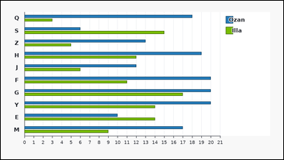 | 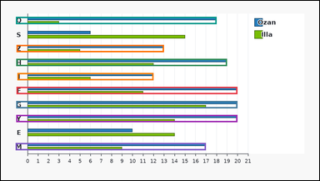 | task_charts_multiseries_pairwise_comparison_count | series_a_gt_b_count | Look at the multiseries chart in the image. It shows a grouped horizontal bar chart with labeled category groups on the vertical axis and a legend on the right. Each colored bar length gives that series value for its category. Read the chart values and count the categories where the stated series relation holds. Determine the number of categories where Ozan is greater than Illa. Return a valid JSON object with keys "evidence" and "answer" in that order. Evidence requirement: set "evidence" to an array containing the category labels where the first queried series is higher than the second queried series. Answer format: set "answer" to the number of category labels satisfying the requested series comparison as an integer. Example JSON: {"evidence":["B","M","Q"],"answer":3} | Look at the multiseries chart in the image. It shows a grouped horizontal bar chart with labeled category groups on the vertical axis and a legend on the right. Each colored bar length gives that series value for its category. Read the chart values and count the categories where the stated series relation holds. Determine the number of categories where Ozan is greater than Illa. Return a valid JSON object with key "answer". Answer rule: set "answer" to the number of category labels satisfying the requested series comparison as an integer. Example JSON: {"answer":3} | {"evidence": ["F", "G", "H", "J", "M", "Q", "Y", "Z"], "answer": 8} | ["F", "G", "H", "J", "M", "Q", "Y", "Z"] | integer | label_set | 137813808278725 | charts/task_charts_multiseries_pairwise_comparison_count/images/series_a_gt_b_count/0023.png | charts/task_charts_multiseries_pairwise_comparison_count/data/series_a_gt_b_count/0023.json
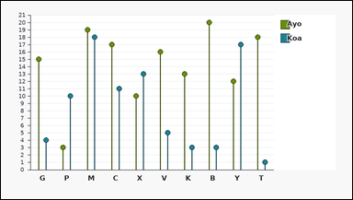 | 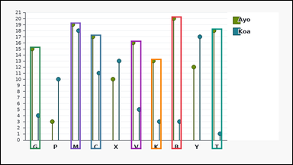 | task_charts_multiseries_pairwise_comparison_count | series_a_gt_b_count | Use the chart in the image. It shows a grouped lollipop chart with labeled categories on the horizontal axis and a legend on the right. Each colored point gives that series value for its category on the vertical axis. Determine how many category labels satisfy the requested pairwise series comparison. Across the labeled categories, in how many categories is Ayo higher than Koa? Return a valid JSON object with keys "evidence" and "answer" in that order. Evidence rule: set "evidence" to an array containing the category labels where the first queried series is higher than the second queried series. Answer rule: set "answer" to the number of category labels satisfying the requested series comparison as an integer. Example JSON: {"evidence":["B","M","Q"],"answer":3} | Use the chart in the image. It shows a grouped lollipop chart with labeled categories on the horizontal axis and a legend on the right. Each colored point gives that series value for its category on the vertical axis. Determine how many category labels satisfy the requested pairwise series comparison. Across the labeled categories, in how many categories is Ayo higher than Koa? Return a valid JSON object with key "answer". Answer rule: set "answer" to the number of category labels satisfying the requested series comparison as an integer. Example JSON: {"answer":3} | {"evidence": ["B", "C", "G", "K", "M", "T", "V"], "answer": 7} | ["B", "C", "G", "K", "M", "T", "V"] | integer | label_set | 229071139420986 | charts/task_charts_multiseries_pairwise_comparison_count/images/series_a_gt_b_count/0010.png | charts/task_charts_multiseries_pairwise_comparison_count/data/series_a_gt_b_count/0010.json
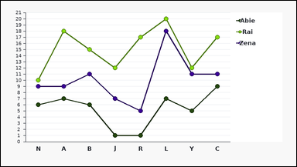 |  | task_charts_multiseries_pairwise_comparison_count | series_a_gt_b_count | Use the chart in the image. It shows a multi-line chart with labeled categories on the horizontal axis and a legend on the right. Each colored series has one point per category, and the relevant values are the points' y-values on the vertical axis. Compare the two queried series category by category. Across the labeled categories, in how many categories is Abie higher than Rai? Return a valid JSON object with keys "evidence" and "answer" in that order. Evidence: set "evidence" to an array containing the category labels where the first queried series is higher than the second queried series. Answer: set "answer" to the number of category labels satisfying the requested series comparison as an integer. Example JSON: {"evidence":["B","M","Q"],"answer":3} | Use the chart in the image. It shows a multi-line chart with labeled categories on the horizontal axis and a legend on the right. Each colored series has one point per category, and the relevant values are the points' y-values on the vertical axis. Compare the two queried series category by category. Across the labeled categories, in how many categories is Abie higher than Rai? Return a valid JSON object with key "answer". Answer requirement: set "answer" to the number of category labels satisfying the requested series comparison as an integer. Example JSON: {"answer":3} | {"evidence": [], "answer": 0} | [] | integer | label_set | 1.5340326342E+15 | charts/task_charts_multiseries_pairwise_comparison_count/images/series_a_gt_b_count/0000.png | charts/task_charts_multiseries_pairwise_comparison_count/data/series_a_gt_b_count/0000.json
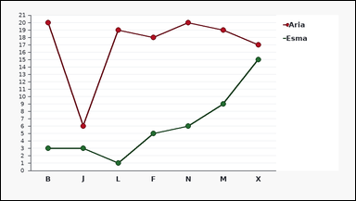 | 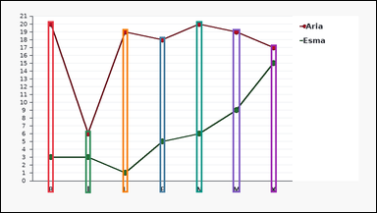 | task_charts_multiseries_pairwise_comparison_count | series_a_gt_b_count | Use the chart in the image. It shows a multi-line chart with labeled categories on the horizontal axis and a legend on the right. Each colored series has one point per category, and the relevant values are the points' y-values on the vertical axis. Work category by category and count the labels where the requested series comparison is true. Determine the number of categories where Aria is greater than Esma. Return a valid JSON object with keys "evidence" and "answer" in that order. Evidence rule: set "evidence" to an array containing the category labels where the first queried series is higher than the second queried series. Answer rule: set "answer" to the number of category labels satisfying the requested series comparison as an integer. Example JSON: {"evidence":["B","M","Q"],"answer":3} | Use the chart in the image. It shows a multi-line chart with labeled categories on the horizontal axis and a legend on the right. Each colored series has one point per category, and the relevant values are the points' y-values on the vertical axis. Work category by category and count the labels where the requested series comparison is true. Determine the number of categories where Aria is greater than Esma. Return a valid JSON object with key "answer". Answer: set "answer" to the number of category labels satisfying the requested series comparison as an integer. Example JSON: {"answer":3} | {"evidence": ["B", "F", "J", "L", "M", "N", "X"], "answer": 7} | ["B", "F", "J", "L", "M", "N", "X"] | integer | label_set | 1.8112402839E+15 | charts/task_charts_multiseries_pairwise_comparison_count/images/series_a_gt_b_count/0008.png | charts/task_charts_multiseries_pairwise_comparison_count/data/series_a_gt_b_count/0008.json
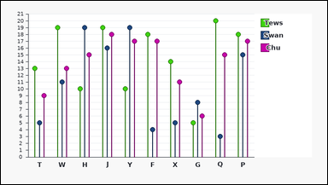 | 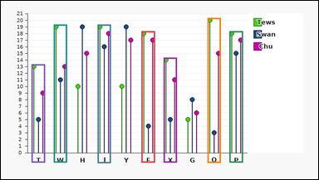 | task_charts_multiseries_pairwise_comparison_count | series_a_gt_b_count | Use the chart in the image. It shows a grouped lollipop chart with labeled categories on the horizontal axis and a legend on the right. Each colored point gives that series value for its category on the vertical axis. Work category by category and count the labels where the requested series comparison is true. Across the labeled categories, in how many categories is Tews higher than Swan? Return a valid JSON object with keys "evidence" and "answer" in that order. Evidence: set "evidence" to an array containing the category labels where the first queried series is higher than the second queried series. Answer: set "answer" to the number of category labels satisfying the requested series comparison as an integer. Example JSON: {"evidence":["B","M","Q"],"answer":3} | Use the chart in the image. It shows a grouped lollipop chart with labeled categories on the horizontal axis and a legend on the right. Each colored point gives that series value for its category on the vertical axis. Work category by category and count the labels where the requested series comparison is true. Across the labeled categories, in how many categories is Tews higher than Swan? Return a valid JSON object with key "answer". Answer: set "answer" to the number of category labels satisfying the requested series comparison as an integer. Example JSON: {"answer":3} | {"evidence": ["F", "J", "P", "Q", "T", "W", "X"], "answer": 7} | ["F", "J", "P", "Q", "T", "W", "X"] | integer | label_set | 2.1932530562E+15 | charts/task_charts_multiseries_pairwise_comparison_count/images/series_a_gt_b_count/0011.png | charts/task_charts_multiseries_pairwise_comparison_count/data/series_a_gt_b_count/0011.json
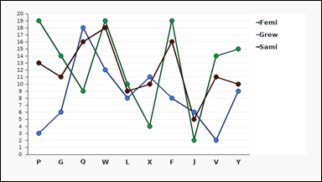 | 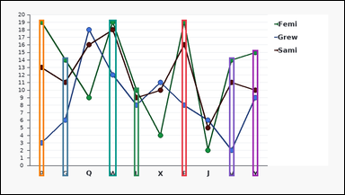 | task_charts_multiseries_pairwise_comparison_count | series_a_gt_b_count | Use the chart in the image. It shows a multi-line chart with labeled categories on the horizontal axis and a legend on the right. Each colored series has one point per category, and the relevant values are the points' y-values on the vertical axis. Use the chart to compare the queried pair of series across the category labels. Across the labeled categories, in how many categories is Femi higher than Grew? Return a valid JSON object with keys "evidence" and "answer" in that order. Evidence: set "evidence" to an array containing the category labels where the first queried series is higher than the second queried series. Answer: set "answer" to the number of category labels satisfying the requested series comparison as an integer. Example JSON: {"evidence":["B","M","Q"],"answer":3} | Use the chart in the image. It shows a multi-line chart with labeled categories on the horizontal axis and a legend on the right. Each colored series has one point per category, and the relevant values are the points' y-values on the vertical axis. Use the chart to compare the queried pair of series across the category labels. Across the labeled categories, in how many categories is Femi higher than Grew? Return a valid JSON object with key "answer". Answer: set "answer" to the number of category labels satisfying the requested series comparison as an integer. Example JSON: {"answer":3} | {"evidence": ["F", "G", "L", "P", "V", "W", "Y"], "answer": 7} | ["F", "G", "L", "P", "V", "W", "Y"] | integer | label_set | 2.2068620791E+15 | charts/task_charts_multiseries_pairwise_comparison_count/images/series_a_gt_b_count/0020.png | charts/task_charts_multiseries_pairwise_comparison_count/data/series_a_gt_b_count/0020.json
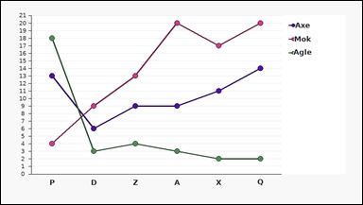 | 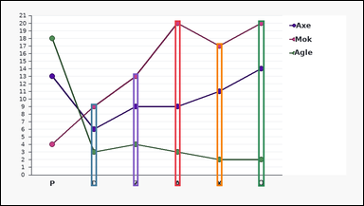 | task_charts_multiseries_pairwise_comparison_count | series_a_gt_b_count | Use the chart in the image. It shows a multi-line chart with labeled categories on the horizontal axis and a legend on the right. Each colored series has one point per category, and the relevant values are the points' y-values on the vertical axis. Work category by category and count the labels where the requested series comparison is true. Find how many category labels show Mok higher than Agle. Return a valid JSON object with keys "evidence" and "answer" in that order. Evidence format: set "evidence" to an array containing the category labels where the first queried series is higher than the second queried series. Answer requirement: set "answer" to the number of category labels satisfying the requested series comparison as an integer. Example JSON: {"evidence":["B","M","Q"],"answer":3} | Use the chart in the image. It shows a multi-line chart with labeled categories on the horizontal axis and a legend on the right. Each colored series has one point per category, and the relevant values are the points' y-values on the vertical axis. Work category by category and count the labels where the requested series comparison is true. Find how many category labels show Mok higher than Agle. Return a valid JSON object with key "answer". Answer format: set "answer" to the number of category labels satisfying the requested series comparison as an integer. Example JSON: {"answer":3} | {"evidence": ["A", "D", "Q", "X", "Z"], "answer": 5} | ["A", "D", "Q", "X", "Z"] | integer | label_set | 2.2133414241E+15 | charts/task_charts_multiseries_pairwise_comparison_count/images/series_a_gt_b_count/0006.png | charts/task_charts_multiseries_pairwise_comparison_count/data/series_a_gt_b_count/0006.json
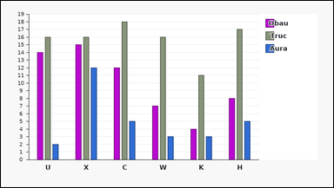 | 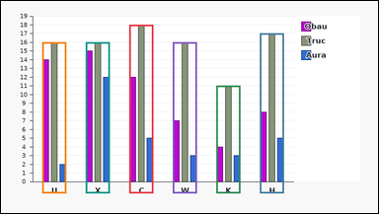 | task_charts_multiseries_pairwise_comparison_count | series_a_gt_b_count | The image shows a grouped bar chart with labeled category groups on the horizontal axis and a legend on the right. Each colored bar height gives that series value for its category. Compare the two queried series category by category. Find how many category labels show Truc higher than Aura. Return a valid JSON object with keys "evidence" and "answer" in that order. Evidence requirement: set "evidence" to an array containing the category labels where the first queried series is higher than the second queried series. Answer format: set "answer" to the number of category labels satisfying the requested series comparison as an integer. Example JSON: {"evidence":["B","M","Q"],"answer":3} | The image shows a grouped bar chart with labeled category groups on the horizontal axis and a legend on the right. Each colored bar height gives that series value for its category. Compare the two queried series category by category. Find how many category labels show Truc higher than Aura. Return a valid JSON object with key "answer". Answer rule: set "answer" to the number of category labels satisfying the requested series comparison as an integer. Example JSON: {"answer":3} | {"evidence": ["C", "H", "K", "U", "W", "X"], "answer": 6} | ["C", "H", "K", "U", "W", "X"] | integer | label_set | 2.554435614E+15 | charts/task_charts_multiseries_pairwise_comparison_count/images/series_a_gt_b_count/0019.png | charts/task_charts_multiseries_pairwise_comparison_count/data/series_a_gt_b_count/0019.json
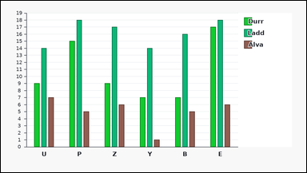 | 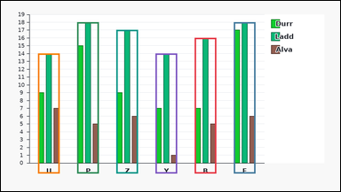 | task_charts_multiseries_pairwise_comparison_count | series_a_gt_b_count | Use the chart in the image. It shows a grouped bar chart with labeled category groups on the horizontal axis and a legend on the right. Each colored bar height gives that series value for its category. Use the chart to compare the queried pair of series across the category labels. Count the category labels where Ladd exceeds Alva. Return a valid JSON object with keys "evidence" and "answer" in that order. Evidence field: set "evidence" to an array containing the category labels where the first queried series is higher than the second queried series. Answer field: set "answer" to the number of category labels satisfying the requested series comparison as an integer. Example JSON: {"evidence":["B","M","Q"],"answer":3} | Use the chart in the image. It shows a grouped bar chart with labeled category groups on the horizontal axis and a legend on the right. Each colored bar height gives that series value for its category. Use the chart to compare the queried pair of series across the category labels. Count the category labels where Ladd exceeds Alva. Return a valid JSON object with key "answer". Answer rule: set "answer" to the number of category labels satisfying the requested series comparison as an integer. Example JSON: {"answer":3} | {"evidence": ["B", "E", "P", "U", "Y", "Z"], "answer": 6} | ["B", "E", "P", "U", "Y", "Z"] | integer | label_set | 2.6293817531E+15 | charts/task_charts_multiseries_pairwise_comparison_count/images/series_a_gt_b_count/0009.png | charts/task_charts_multiseries_pairwise_comparison_count/data/series_a_gt_b_count/0009.json
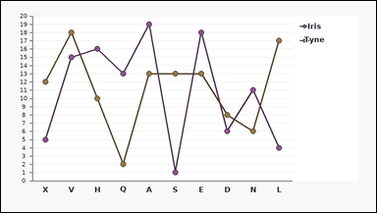 | 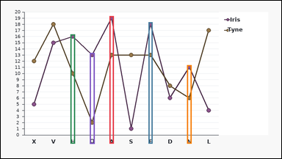 | task_charts_multiseries_pairwise_comparison_count | series_a_gt_b_count | Work from the multiseries chart shown in the image: a multi-line chart with labeled categories on the horizontal axis and a legend on the right. Each colored series has one point per category, and the relevant values are the points' y-values on the vertical axis. Work category by category and count the labels where the requested series comparison is true. Find how many category labels show Iris higher than Tyne. Return a valid JSON object with keys "evidence" and "answer" in that order. Evidence format: set "evidence" to an array containing the category labels where the first queried series is higher than the second queried series. Answer requirement: set "answer" to the number of category labels satisfying the requested series comparison as an integer. Example JSON: {"evidence":["B","M","Q"],"answer":3} | Work from the multiseries chart shown in the image: a multi-line chart with labeled categories on the horizontal axis and a legend on the right. Each colored series has one point per category, and the relevant values are the points' y-values on the vertical axis. Work category by category and count the labels where the requested series comparison is true. Find how many category labels show Iris higher than Tyne. Return a valid JSON object with key "answer". Answer: set "answer" to the number of category labels satisfying the requested series comparison as an integer. Example JSON: {"answer":3} | {"evidence": ["A", "E", "H", "N", "Q"], "answer": 5} | ["A", "E", "H", "N", "Q"] | integer | label_set | 2.8234668875E+15 | charts/task_charts_multiseries_pairwise_comparison_count/images/series_a_gt_b_count/0012.png | charts/task_charts_multiseries_pairwise_comparison_count/data/series_a_gt_b_count/0012.json
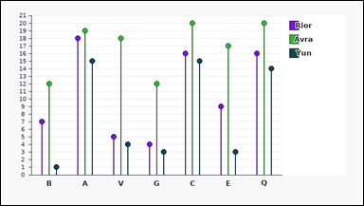 | 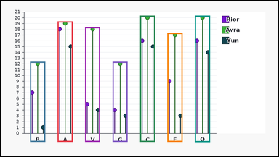 | task_charts_multiseries_pairwise_comparison_count | series_a_gt_b_count | The image shows a grouped lollipop chart with labeled categories on the horizontal axis and a legend on the right. Each colored point gives that series value for its category on the vertical axis. Determine how many category labels satisfy the requested pairwise series comparison. Find how many category labels show Avra higher than Yun. Return a valid JSON object with keys "evidence" and "answer" in that order. Evidence format: set "evidence" to an array containing the category labels where the first queried series is higher than the second queried series. Answer requirement: set "answer" to the number of category labels satisfying the requested series comparison as an integer. Example JSON: {"evidence":["B","M","Q"],"answer":3} | The image shows a grouped lollipop chart with labeled categories on the horizontal axis and a legend on the right. Each colored point gives that series value for its category on the vertical axis. Determine how many category labels satisfy the requested pairwise series comparison. Find how many category labels show Avra higher than Yun. Return a valid JSON object with key "answer". Answer: set "answer" to the number of category labels satisfying the requested series comparison as an integer. Example JSON: {"answer":3} | {"evidence": ["A", "B", "C", "E", "G", "Q", "V"], "answer": 7} | ["A", "B", "C", "E", "G", "Q", "V"] | integer | label_set | 3.2273000931E+15 | charts/task_charts_multiseries_pairwise_comparison_count/images/series_a_gt_b_count/0022.png | charts/task_charts_multiseries_pairwise_comparison_count/data/series_a_gt_b_count/0022.json
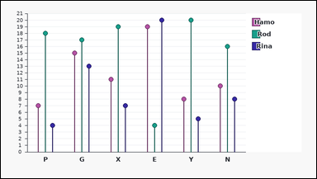 | 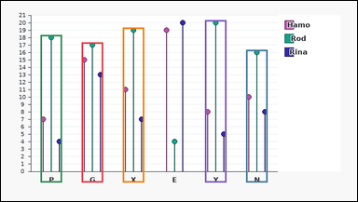 | task_charts_multiseries_pairwise_comparison_count | series_a_gt_b_count | Use the chart in the image. It shows a grouped lollipop chart with labeled categories on the horizontal axis and a legend on the right. Each colored point gives that series value for its category on the vertical axis. Compare the two queried series category by category. How many labeled categories have Rod above Rina? Return a valid JSON object with keys "evidence" and "answer" in that order. Evidence requirement: set "evidence" to an array containing the category labels where the first queried series is higher than the second queried series. Answer format: set "answer" to the number of category labels satisfying the requested series comparison as an integer. Example JSON: {"evidence":["B","M","Q"],"answer":3} | Use the chart in the image. It shows a grouped lollipop chart with labeled categories on the horizontal axis and a legend on the right. Each colored point gives that series value for its category on the vertical axis. Compare the two queried series category by category. How many labeled categories have Rod above Rina? Return a valid JSON object with key "answer". Answer format: set "answer" to the number of category labels satisfying the requested series comparison as an integer. Example JSON: {"answer":3} | {"evidence": ["G", "N", "P", "X", "Y"], "answer": 5} | ["G", "N", "P", "X", "Y"] | integer | label_set | 3.2572812954E+15 | charts/task_charts_multiseries_pairwise_comparison_count/images/series_a_gt_b_count/0018.png | charts/task_charts_multiseries_pairwise_comparison_count/data/series_a_gt_b_count/0018.json
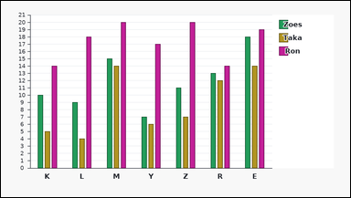 |  | task_charts_multiseries_pairwise_comparison_count | series_a_gt_b_count | You are given a multiseries chart: a grouped bar chart with labeled category groups on the horizontal axis and a legend on the right. Each colored bar height gives that series value for its category. Read the chart values and count the categories where the stated series relation holds. Determine the number of categories where Taka is greater than Ron. Return a valid JSON object with keys "evidence" and "answer" in that order. Evidence format: set "evidence" to an array containing the category labels where the first queried series is higher than the second queried series. Answer requirement: set "answer" to the number of category labels satisfying the requested series comparison as an integer. Example JSON: {"evidence":["B","M","Q"],"answer":3} | You are given a multiseries chart: a grouped bar chart with labeled category groups on the horizontal axis and a legend on the right. Each colored bar height gives that series value for its category. Read the chart values and count the categories where the stated series relation holds. Determine the number of categories where Taka is greater than Ron. Return a valid JSON object with key "answer". Answer: set "answer" to the number of category labels satisfying the requested series comparison as an integer. Example JSON: {"answer":3} | {"evidence": [], "answer": 0} | [] | integer | label_set | 3.7500425482E+15 | charts/task_charts_multiseries_pairwise_comparison_count/images/series_a_gt_b_count/0014.png | charts/task_charts_multiseries_pairwise_comparison_count/data/series_a_gt_b_count/0014.json
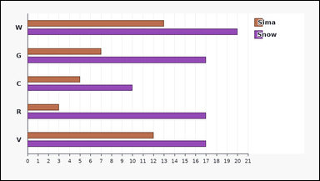 |  | task_charts_multiseries_pairwise_comparison_count | series_a_gt_b_count | Use the chart in the image. It shows a grouped horizontal bar chart with labeled category groups on the vertical axis and a legend on the right. Each colored bar length gives that series value for its category. Determine how many category labels satisfy the requested pairwise series comparison. Determine the number of categories where Sima is greater than Snow. Return a valid JSON object with keys "evidence" and "answer" in that order. Evidence format: set "evidence" to an array containing the category labels where the first queried series is higher than the second queried series. Answer requirement: set "answer" to the number of category labels satisfying the requested series comparison as an integer. Example JSON: {"evidence":["B","M","Q"],"answer":3} | Use the chart in the image. It shows a grouped horizontal bar chart with labeled category groups on the vertical axis and a legend on the right. Each colored bar length gives that series value for its category. Determine how many category labels satisfy the requested pairwise series comparison. Determine the number of categories where Sima is greater than Snow. Return a valid JSON object with key "answer". Answer: set "answer" to the number of category labels satisfying the requested series comparison as an integer. Example JSON: {"answer":3} | {"evidence": [], "answer": 0} | [] | integer | label_set | 3.76140953E+15 | charts/task_charts_multiseries_pairwise_comparison_count/images/series_a_gt_b_count/0024.png | charts/task_charts_multiseries_pairwise_comparison_count/data/series_a_gt_b_count/0024.json
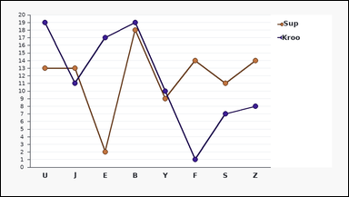 | 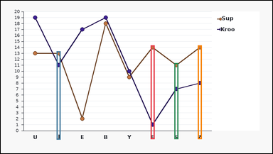 | task_charts_multiseries_pairwise_comparison_count | series_a_gt_b_count | Use the chart in the image. It shows a multi-line chart with labeled categories on the horizontal axis and a legend on the right. Each colored series has one point per category, and the relevant values are the points' y-values on the vertical axis. Work category by category and count the labels where the requested series comparison is true. Across the labeled categories, in how many categories is Sup higher than Kroo? Return a valid JSON object with keys "evidence" and "answer" in that order. Evidence format: set "evidence" to an array containing the category labels where the first queried series is higher than the second queried series. Answer requirement: set "answer" to the number of category labels satisfying the requested series comparison as an integer. Example JSON: {"evidence":["B","M","Q"],"answer":3} | Use the chart in the image. It shows a multi-line chart with labeled categories on the horizontal axis and a legend on the right. Each colored series has one point per category, and the relevant values are the points' y-values on the vertical axis. Work category by category and count the labels where the requested series comparison is true. Across the labeled categories, in how many categories is Sup higher than Kroo? Return a valid JSON object with key "answer". Answer rule: set "answer" to the number of category labels satisfying the requested series comparison as an integer. Example JSON: {"answer":3} | {"evidence": ["F", "J", "S", "Z"], "answer": 4} | ["F", "J", "S", "Z"] | integer | label_set | 4.3507647648E+15 | charts/task_charts_multiseries_pairwise_comparison_count/images/series_a_gt_b_count/0016.png | charts/task_charts_multiseries_pairwise_comparison_count/data/series_a_gt_b_count/0016.json
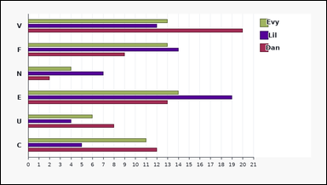 | 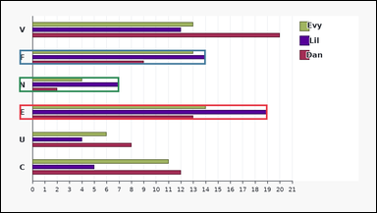 | task_charts_multiseries_pairwise_comparison_count | series_a_gt_b_count | The image shows a grouped horizontal bar chart with labeled category groups on the vertical axis and a legend on the right. Each colored bar length gives that series value for its category. Work category by category and count the labels where the requested series comparison is true. Across the labeled categories, in how many categories is Lil higher than Dan? Return a valid JSON object with keys "evidence" and "answer" in that order. Evidence rule: set "evidence" to an array containing the category labels where the first queried series is higher than the second queried series. Answer rule: set "answer" to the number of category labels satisfying the requested series comparison as an integer. Example JSON: {"evidence":["B","M","Q"],"answer":3} | The image shows a grouped horizontal bar chart with labeled category groups on the vertical axis and a legend on the right. Each colored bar length gives that series value for its category. Work category by category and count the labels where the requested series comparison is true. Across the labeled categories, in how many categories is Lil higher than Dan? Return a valid JSON object with key "answer". Answer requirement: set "answer" to the number of category labels satisfying the requested series comparison as an integer. Example JSON: {"answer":3} | {"evidence": ["E", "F", "N"], "answer": 3} | ["E", "F", "N"] | integer | label_set | 4.4733161304E+15 | charts/task_charts_multiseries_pairwise_comparison_count/images/series_a_gt_b_count/0015.png | charts/task_charts_multiseries_pairwise_comparison_count/data/series_a_gt_b_count/0015.json
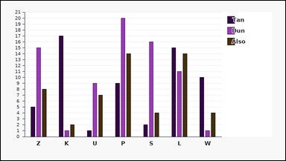 | 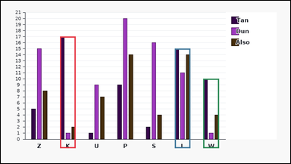 | task_charts_multiseries_pairwise_comparison_count | series_a_gt_b_count | You are given a multiseries chart: a grouped bar chart with labeled category groups on the horizontal axis and a legend on the right. Each colored bar height gives that series value for its category. Use the chart to compare the queried pair of series across the category labels. Across the labeled categories, in how many categories is Tan higher than Dun? Return a valid JSON object with keys "evidence" and "answer" in that order. Evidence rule: set "evidence" to an array containing the category labels where the first queried series is higher than the second queried series. Answer rule: set "answer" to the number of category labels satisfying the requested series comparison as an integer. Example JSON: {"evidence":["B","M","Q"],"answer":3} | You are given a multiseries chart: a grouped bar chart with labeled category groups on the horizontal axis and a legend on the right. Each colored bar height gives that series value for its category. Use the chart to compare the queried pair of series across the category labels. Across the labeled categories, in how many categories is Tan higher than Dun? Return a valid JSON object with key "answer". Answer: set "answer" to the number of category labels satisfying the requested series comparison as an integer. Example JSON: {"answer":3} | {"evidence": ["K", "L", "W"], "answer": 3} | ["K", "L", "W"] | integer | label_set | 5.1430908879E+15 | charts/task_charts_multiseries_pairwise_comparison_count/images/series_a_gt_b_count/0004.png | charts/task_charts_multiseries_pairwise_comparison_count/data/series_a_gt_b_count/0004.json
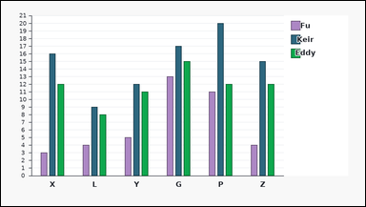 |  | task_charts_multiseries_pairwise_comparison_count | series_a_gt_b_count | Look at the multiseries chart in the image. It shows a grouped bar chart with labeled category groups on the horizontal axis and a legend on the right. Each colored bar height gives that series value for its category. Use the chart to compare the queried pair of series across the category labels. Find how many category labels show Fu higher than Keir. Return a valid JSON object with keys "evidence" and "answer" in that order. Evidence rule: set "evidence" to an array containing the category labels where the first queried series is higher than the second queried series. Answer rule: set "answer" to the number of category labels satisfying the requested series comparison as an integer. Example JSON: {"evidence":["B","M","Q"],"answer":3} | Look at the multiseries chart in the image. It shows a grouped bar chart with labeled category groups on the horizontal axis and a legend on the right. Each colored bar height gives that series value for its category. Use the chart to compare the queried pair of series across the category labels. Find how many category labels show Fu higher than Keir. Return a valid JSON object with key "answer". Answer: set "answer" to the number of category labels satisfying the requested series comparison as an integer. Example JSON: {"answer":3} | {"evidence": [], "answer": 0} | [] | integer | label_set | 6.3388571014E+15 | charts/task_charts_multiseries_pairwise_comparison_count/images/series_a_gt_b_count/0002.png | charts/task_charts_multiseries_pairwise_comparison_count/data/series_a_gt_b_count/0002.json
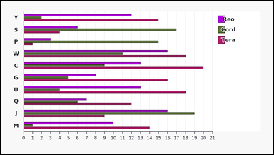 | 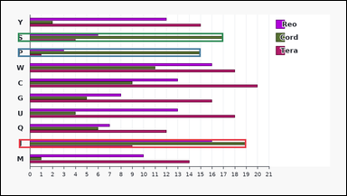 | task_charts_multiseries_pairwise_comparison_count | series_a_gt_b_count | You are given a multiseries chart: a grouped horizontal bar chart with labeled category groups on the vertical axis and a legend on the right. Each colored bar length gives that series value for its category. Read the chart values and count the categories where the stated series relation holds. Across the labeled categories, in how many categories is Cord higher than Tera? Return a valid JSON object with keys "evidence" and "answer" in that order. Evidence: set "evidence" to an array containing the category labels where the first queried series is higher than the second queried series. Answer: set "answer" to the number of category labels satisfying the requested series comparison as an integer. Example JSON: {"evidence":["B","M","Q"],"answer":3} | You are given a multiseries chart: a grouped horizontal bar chart with labeled category groups on the vertical axis and a legend on the right. Each colored bar length gives that series value for its category. Read the chart values and count the categories where the stated series relation holds. Across the labeled categories, in how many categories is Cord higher than Tera? Return a valid JSON object with key "answer". Answer rule: set "answer" to the number of category labels satisfying the requested series comparison as an integer. Example JSON: {"answer":3} | {"evidence": ["J", "P", "S"], "answer": 3} | ["J", "P", "S"] | integer | label_set | 6.8966085431E+15 | charts/task_charts_multiseries_pairwise_comparison_count/images/series_a_gt_b_count/0001.png | charts/task_charts_multiseries_pairwise_comparison_count/data/series_a_gt_b_count/0001.json
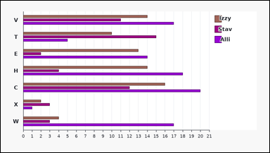 | 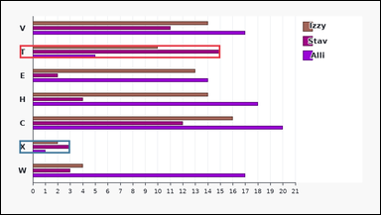 | task_charts_multiseries_pairwise_comparison_count | series_a_gt_b_count | The image shows a grouped horizontal bar chart with labeled category groups on the vertical axis and a legend on the right. Each colored bar length gives that series value for its category. Read the chart values and count the categories where the stated series relation holds. Count the category labels where Stav exceeds Alli. Return a valid JSON object with keys "evidence" and "answer" in that order. Evidence rule: set "evidence" to an array containing the category labels where the first queried series is higher than the second queried series. Answer rule: set "answer" to the number of category labels satisfying the requested series comparison as an integer. Example JSON: {"evidence":["B","M","Q"],"answer":3} | The image shows a grouped horizontal bar chart with labeled category groups on the vertical axis and a legend on the right. Each colored bar length gives that series value for its category. Read the chart values and count the categories where the stated series relation holds. Count the category labels where Stav exceeds Alli. Return a valid JSON object with key "answer". Answer rule: set "answer" to the number of category labels satisfying the requested series comparison as an integer. Example JSON: {"answer":3} | {"evidence": ["T", "X"], "answer": 2} | ["T", "X"] | integer | label_set | 7.1510490225E+15 | charts/task_charts_multiseries_pairwise_comparison_count/images/series_a_gt_b_count/0017.png | charts/task_charts_multiseries_pairwise_comparison_count/data/series_a_gt_b_count/0017.json
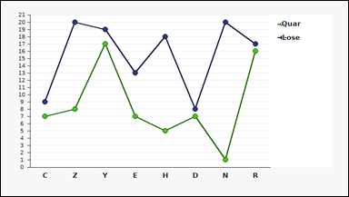 |  | task_charts_multiseries_pairwise_comparison_count | series_a_gt_b_count | The image shows a multi-line chart with labeled categories on the horizontal axis and a legend on the right. Each colored series has one point per category, and the relevant values are the points' y-values on the vertical axis. Determine how many category labels satisfy the requested pairwise series comparison. How many labeled categories have Quar above Lose? Return a valid JSON object with keys "evidence" and "answer" in that order. Evidence rule: set "evidence" to an array containing the category labels where the first queried series is higher than the second queried series. Answer rule: set "answer" to the number of category labels satisfying the requested series comparison as an integer. Example JSON: {"evidence":["B","M","Q"],"answer":3} | The image shows a multi-line chart with labeled categories on the horizontal axis and a legend on the right. Each colored series has one point per category, and the relevant values are the points' y-values on the vertical axis. Determine how many category labels satisfy the requested pairwise series comparison. How many labeled categories have Quar above Lose? Return a valid JSON object with key "answer". Answer rule: set "answer" to the number of category labels satisfying the requested series comparison as an integer. Example JSON: {"answer":3} | {"evidence": [], "answer": 0} | [] | integer | label_set | 7.6093157742E+15 | charts/task_charts_multiseries_pairwise_comparison_count/images/series_a_gt_b_count/0003.png | charts/task_charts_multiseries_pairwise_comparison_count/data/series_a_gt_b_count/0003.json
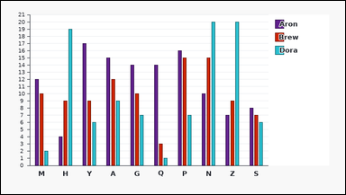 | 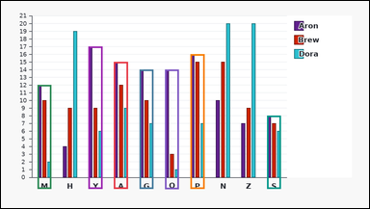 | task_charts_multiseries_pairwise_comparison_count | series_a_gt_b_count | Use the chart in the image. It shows a grouped bar chart with labeled category groups on the horizontal axis and a legend on the right. Each colored bar height gives that series value for its category. Use the chart to compare the queried pair of series across the category labels. Count the category labels where Aron exceeds Dora. Return a valid JSON object with keys "evidence" and "answer" in that order. Evidence: set "evidence" to an array containing the category labels where the first queried series is higher than the second queried series. Answer: set "answer" to the number of category labels satisfying the requested series comparison as an integer. Example JSON: {"evidence":["B","M","Q"],"answer":3} | Use the chart in the image. It shows a grouped bar chart with labeled category groups on the horizontal axis and a legend on the right. Each colored bar height gives that series value for its category. Use the chart to compare the queried pair of series across the category labels. Count the category labels where Aron exceeds Dora. Return a valid JSON object with key "answer". Answer field: set "answer" to the number of category labels satisfying the requested series comparison as an integer. Example JSON: {"answer":3} | {"evidence": ["A", "G", "M", "P", "Q", "S", "Y"], "answer": 7} | ["A", "G", "M", "P", "Q", "S", "Y"] | integer | label_set | 7.9532344816E+15 | charts/task_charts_multiseries_pairwise_comparison_count/images/series_a_gt_b_count/0005.png | charts/task_charts_multiseries_pairwise_comparison_count/data/series_a_gt_b_count/0005.json
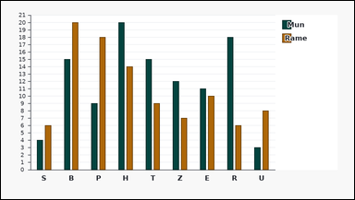 | 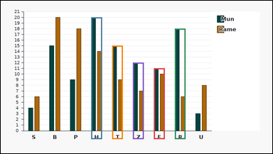 | task_charts_multiseries_pairwise_comparison_count | series_a_gt_b_count | Use the chart in the image. It shows a grouped bar chart with labeled category groups on the horizontal axis and a legend on the right. Each colored bar height gives that series value for its category. Use the chart to compare the queried pair of series across the category labels. Count the category labels where Mun exceeds Rame. Return a valid JSON object with keys "evidence" and "answer" in that order. Evidence format: set "evidence" to an array containing the category labels where the first queried series is higher than the second queried series. Answer requirement: set "answer" to the number of category labels satisfying the requested series comparison as an integer. Example JSON: {"evidence":["B","M","Q"],"answer":3} | Use the chart in the image. It shows a grouped bar chart with labeled category groups on the horizontal axis and a legend on the right. Each colored bar height gives that series value for its category. Use the chart to compare the queried pair of series across the category labels. Count the category labels where Mun exceeds Rame. Return a valid JSON object with key "answer". Answer: set "answer" to the number of category labels satisfying the requested series comparison as an integer. Example JSON: {"answer":3} | {"evidence": ["E", "H", "R", "T", "Z"], "answer": 5} | ["E", "H", "R", "T", "Z"] | integer | label_set | 8.1376392607E+15 | charts/task_charts_multiseries_pairwise_comparison_count/images/series_a_gt_b_count/0013.png | charts/task_charts_multiseries_pairwise_comparison_count/data/series_a_gt_b_count/0013.json
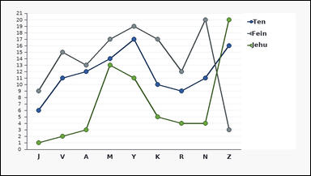 | 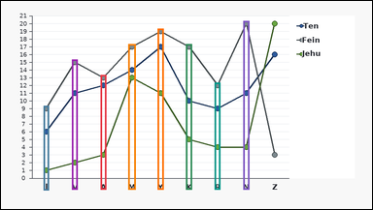 | task_charts_multiseries_pairwise_comparison_count | series_a_gt_b_count | You are given a multiseries chart: a multi-line chart with labeled categories on the horizontal axis and a legend on the right. Each colored series has one point per category, and the relevant values are the points' y-values on the vertical axis. Determine how many category labels satisfy the requested pairwise series comparison. Determine the number of categories where Fein is greater than Jehu. Return a valid JSON object with keys "evidence" and "answer" in that order. Evidence field: set "evidence" to an array containing the category labels where the first queried series is higher than the second queried series. Answer field: set "answer" to the number of category labels satisfying the requested series comparison as an integer. Example JSON: {"evidence":["B","M","Q"],"answer":3} | You are given a multiseries chart: a multi-line chart with labeled categories on the horizontal axis and a legend on the right. Each colored series has one point per category, and the relevant values are the points' y-values on the vertical axis. Determine how many category labels satisfy the requested pairwise series comparison. Determine the number of categories where Fein is greater than Jehu. Return a valid JSON object with key "answer". Answer rule: set "answer" to the number of category labels satisfying the requested series comparison as an integer. Example JSON: {"answer":3} | {"evidence": ["A", "J", "K", "M", "N", "R", "V", "Y"], "answer": 8} | ["A", "J", "K", "M", "N", "R", "V", "Y"] | integer | label_set | 8.2248165281E+15 | charts/task_charts_multiseries_pairwise_comparison_count/images/series_a_gt_b_count/0021.png | charts/task_charts_multiseries_pairwise_comparison_count/data/series_a_gt_b_count/0021.json
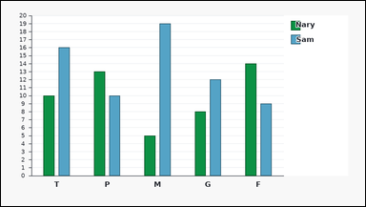 | 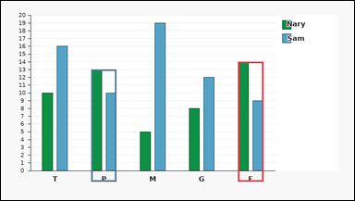 | task_charts_multiseries_pairwise_comparison_count | series_a_gt_b_count | You are given a multiseries chart: a grouped bar chart with labeled category groups on the horizontal axis and a legend on the right. Each colored bar height gives that series value for its category. Use the chart to compare the queried pair of series across the category labels. Find how many category labels show Nary higher than Sam. Return a valid JSON object with keys "evidence" and "answer" in that order. Evidence field: set "evidence" to an array containing the category labels where the first queried series is higher than the second queried series. Answer field: set "answer" to the number of category labels satisfying the requested series comparison as an integer. Example JSON: {"evidence":["B","M","Q"],"answer":3} | You are given a multiseries chart: a grouped bar chart with labeled category groups on the horizontal axis and a legend on the right. Each colored bar height gives that series value for its category. Use the chart to compare the queried pair of series across the category labels. Find how many category labels show Nary higher than Sam. Return a valid JSON object with key "answer". Answer format: set "answer" to the number of category labels satisfying the requested series comparison as an integer. Example JSON: {"answer":3} | {"evidence": ["F", "P"], "answer": 2} | ["F", "P"] | integer | label_set | 8.7335148512E+15 | charts/task_charts_multiseries_pairwise_comparison_count/images/series_a_gt_b_count/0007.png | charts/task_charts_multiseries_pairwise_comparison_count/data/series_a_gt_b_count/0007.json

series_a_lt_b_count
image | evidence_image | task | task_variant | prompt | prompt_answer_only | answer | answer_evidence | answer_type | evidence_type | instance_seed | image_path | data_path
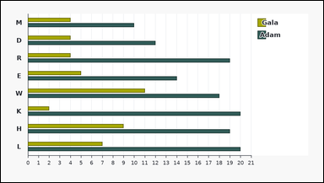 | 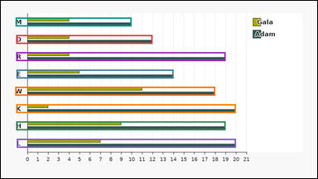 | task_charts_multiseries_pairwise_comparison_count | series_a_lt_b_count | Look at the multiseries chart in the image. It shows a grouped horizontal bar chart with labeled category groups on the vertical axis and a legend on the right. Each colored bar length gives that series value for its category. Work category by category and count the labels where the requested series comparison is true. Determine the number of categories where Gala is less than Adam. Return a valid JSON object with keys "evidence" and "answer" in that order. Evidence format: set "evidence" to an array containing the category labels where the first queried series is lower than the second queried series. Answer requirement: set "answer" to the number of category labels satisfying the requested series comparison as an integer. Example JSON: {"evidence":["A","T"],"answer":2} | Look at the multiseries chart in the image. It shows a grouped horizontal bar chart with labeled category groups on the vertical axis and a legend on the right. Each colored bar length gives that series value for its category. Work category by category and count the labels where the requested series comparison is true. Determine the number of categories where Gala is less than Adam. Return a valid JSON object with key "answer". Answer rule: set "answer" to the number of category labels satisfying the requested series comparison as an integer. Example JSON: {"answer":2} | {"evidence": ["D", "E", "H", "K", "L", "M", "R", "W"], "answer": 8} | ["D", "E", "H", "K", "L", "M", "R", "W"] | integer | label_set | 659187808209777 | charts/task_charts_multiseries_pairwise_comparison_count/images/series_a_lt_b_count/0018.png | charts/task_charts_multiseries_pairwise_comparison_count/data/series_a_lt_b_count/0018.json
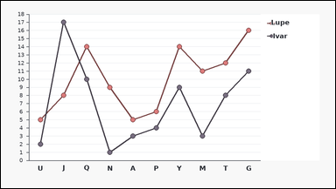 | 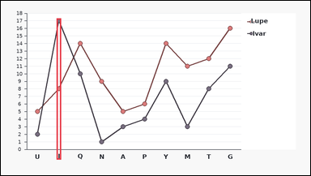 | task_charts_multiseries_pairwise_comparison_count | series_a_lt_b_count | Work from the multiseries chart shown in the image: a multi-line chart with labeled categories on the horizontal axis and a legend on the right. Each colored series has one point per category, and the relevant values are the points' y-values on the vertical axis. Read the chart values and count the categories where the stated series relation holds. Find how many category labels show Lupe lower than Ivar. Return a valid JSON object with keys "evidence" and "answer" in that order. Evidence format: set "evidence" to an array containing the category labels where the first queried series is lower than the second queried series. Answer requirement: set "answer" to the number of category labels satisfying the requested series comparison as an integer. Example JSON: {"evidence":["A","T"],"answer":2} | Work from the multiseries chart shown in the image: a multi-line chart with labeled categories on the horizontal axis and a legend on the right. Each colored series has one point per category, and the relevant values are the points' y-values on the vertical axis. Read the chart values and count the categories where the stated series relation holds. Find how many category labels show Lupe lower than Ivar. Return a valid JSON object with key "answer". Answer: set "answer" to the number of category labels satisfying the requested series comparison as an integer. Example JSON: {"answer":2} | {"evidence": ["J"], "answer": 1} | ["J"] | integer | label_set | 1.0146074121E+15 | charts/task_charts_multiseries_pairwise_comparison_count/images/series_a_lt_b_count/0004.png | charts/task_charts_multiseries_pairwise_comparison_count/data/series_a_lt_b_count/0004.json
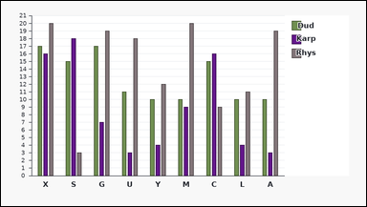 |  | task_charts_multiseries_pairwise_comparison_count | series_a_lt_b_count | You are given a multiseries chart: a grouped bar chart with labeled category groups on the horizontal axis and a legend on the right. Each colored bar height gives that series value for its category. Use the chart to compare the queried pair of series across the category labels. Find how many category labels show Karp lower than Rhys. Return a valid JSON object with keys "evidence" and "answer" in that order. Evidence: set "evidence" to an array containing the category labels where the first queried series is lower than the second queried series. Answer: set "answer" to the number of category labels satisfying the requested series comparison as an integer. Example JSON: {"evidence":["A","T"],"answer":2} | You are given a multiseries chart: a grouped bar chart with labeled category groups on the horizontal axis and a legend on the right. Each colored bar height gives that series value for its category. Use the chart to compare the queried pair of series across the category labels. Find how many category labels show Karp lower than Rhys. Return a valid JSON object with key "answer". Answer format: set "answer" to the number of category labels satisfying the requested series comparison as an integer. Example JSON: {"answer":2} | {"evidence": ["A", "G", "L", "M", "U", "X", "Y"], "answer": 7} | ["A", "G", "L", "M", "U", "X", "Y"] | integer | label_set | 1.4996944289E+15 | charts/task_charts_multiseries_pairwise_comparison_count/images/series_a_lt_b_count/0024.png | charts/task_charts_multiseries_pairwise_comparison_count/data/series_a_lt_b_count/0024.json
 |  | task_charts_multiseries_pairwise_comparison_count | series_a_lt_b_count | You are given a multiseries chart: a grouped horizontal bar chart with labeled category groups on the vertical axis and a legend on the right. Each colored bar length gives that series value for its category. Compare the two queried series category by category. Count the category labels where Ezra is below Hagi. Return a valid JSON object with keys "evidence" and "answer" in that order. Evidence format: set "evidence" to an array containing the category labels where the first queried series is lower than the second queried series. Answer requirement: set "answer" to the number of category labels satisfying the requested series comparison as an integer. Example JSON: {"evidence":["A","T"],"answer":2} | You are given a multiseries chart: a grouped horizontal bar chart with labeled category groups on the vertical axis and a legend on the right. Each colored bar length gives that series value for its category. Compare the two queried series category by category. Count the category labels where Ezra is below Hagi. Return a valid JSON object with key "answer". Answer rule: set "answer" to the number of category labels satisfying the requested series comparison as an integer. Example JSON: {"answer":2} | {"evidence": ["A", "J", "W", "Y"], "answer": 4} | ["A", "J", "W", "Y"] | integer | label_set | 1.5193060215E+15 | charts/task_charts_multiseries_pairwise_comparison_count/images/series_a_lt_b_count/0023.png | charts/task_charts_multiseries_pairwise_comparison_count/data/series_a_lt_b_count/0023.json
 |  | task_charts_multiseries_pairwise_comparison_count | series_a_lt_b_count | You are given a multiseries chart: a multi-line chart with labeled categories on the horizontal axis and a legend on the right. Each colored series has one point per category, and the relevant values are the points' y-values on the vertical axis. Work category by category and count the labels where the requested series comparison is true. Find how many category labels show Oaks lower than Le. Return a valid JSON object with keys "evidence" and "answer" in that order. Evidence: set "evidence" to an array containing the category labels where the first queried series is lower than the second queried series. Answer: set "answer" to the number of category labels satisfying the requested series comparison as an integer. Example JSON: {"evidence":["A","T"],"answer":2} | You are given a multiseries chart: a multi-line chart with labeled categories on the horizontal axis and a legend on the right. Each colored series has one point per category, and the relevant values are the points' y-values on the vertical axis. Work category by category and count the labels where the requested series comparison is true. Find how many category labels show Oaks lower than Le. Return a valid JSON object with key "answer". Answer requirement: set "answer" to the number of category labels satisfying the requested series comparison as an integer. Example JSON: {"answer":2} | {"evidence": ["H", "J"], "answer": 2} | ["H", "J"] | integer | label_set | 1.6110818029E+15 | charts/task_charts_multiseries_pairwise_comparison_count/images/series_a_lt_b_count/0022.png | charts/task_charts_multiseries_pairwise_comparison_count/data/series_a_lt_b_count/0022.json
 |  | task_charts_multiseries_pairwise_comparison_count | series_a_lt_b_count | Look at the multiseries chart in the image. It shows a grouped lollipop chart with labeled categories on the horizontal axis and a legend on the right. Each colored point gives that series value for its category on the vertical axis. Determine how many category labels satisfy the requested pairwise series comparison. How many labeled categories have Aman under Riba? Return a valid JSON object with keys "evidence" and "answer" in that order. Evidence field: set "evidence" to an array containing the category labels where the first queried series is lower than the second queried series. Answer field: set "answer" to the number of category labels satisfying the requested series comparison as an integer. Example JSON: {"evidence":["A","T"],"answer":2} | Look at the multiseries chart in the image. It shows a grouped lollipop chart with labeled categories on the horizontal axis and a legend on the right. Each colored point gives that series value for its category on the vertical axis. Determine how many category labels satisfy the requested pairwise series comparison. How many labeled categories have Aman under Riba? Return a valid JSON object with key "answer". Answer: set "answer" to the number of category labels satisfying the requested series comparison as an integer. Example JSON: {"answer":2} | {"evidence": ["B", "D", "K", "L", "W", "Y"], "answer": 6} | ["B", "D", "K", "L", "W", "Y"] | integer | label_set | 2.2625032508E+15 | charts/task_charts_multiseries_pairwise_comparison_count/images/series_a_lt_b_count/0007.png | charts/task_charts_multiseries_pairwise_comparison_count/data/series_a_lt_b_count/0007.json
 |  | task_charts_multiseries_pairwise_comparison_count | series_a_lt_b_count | Work from the multiseries chart shown in the image: a multi-line chart with labeled categories on the horizontal axis and a legend on the right. Each colored series has one point per category, and the relevant values are the points' y-values on the vertical axis. Determine how many category labels satisfy the requested pairwise series comparison. Count the category labels where Lose is below Adim. Return a valid JSON object with keys "evidence" and "answer" in that order. Evidence rule: set "evidence" to an array containing the category labels where the first queried series is lower than the second queried series. Answer rule: set "answer" to the number of category labels satisfying the requested series comparison as an integer. Example JSON: {"evidence":["A","T"],"answer":2} | Work from the multiseries chart shown in the image: a multi-line chart with labeled categories on the horizontal axis and a legend on the right. Each colored series has one point per category, and the relevant values are the points' y-values on the vertical axis. Determine how many category labels satisfy the requested pairwise series comparison. Count the category labels where Lose is below Adim. Return a valid JSON object with key "answer". Answer requirement: set "answer" to the number of category labels satisfying the requested series comparison as an integer. Example JSON: {"answer":2} | {"evidence": ["D", "E", "F", "H", "J", "L"], "answer": 6} | ["D", "E", "F", "H", "J", "L"] | integer | label_set | 3.811265777E+15 | charts/task_charts_multiseries_pairwise_comparison_count/images/series_a_lt_b_count/0011.png | charts/task_charts_multiseries_pairwise_comparison_count/data/series_a_lt_b_count/0011.json
 |  | task_charts_multiseries_pairwise_comparison_count | series_a_lt_b_count | The image shows a grouped lollipop chart with labeled categories on the horizontal axis and a legend on the right. Each colored point gives that series value for its category on the vertical axis. Compare the two queried series category by category. Count the category labels where Flyn is below Tecu. Return a valid JSON object with keys "evidence" and "answer" in that order. Evidence format: set "evidence" to an array containing the category labels where the first queried series is lower than the second queried series. Answer requirement: set "answer" to the number of category labels satisfying the requested series comparison as an integer. Example JSON: {"evidence":["A","T"],"answer":2} | The image shows a grouped lollipop chart with labeled categories on the horizontal axis and a legend on the right. Each colored point gives that series value for its category on the vertical axis. Compare the two queried series category by category. Count the category labels where Flyn is below Tecu. Return a valid JSON object with key "answer". Answer format: set "answer" to the number of category labels satisfying the requested series comparison as an integer. Example JSON: {"answer":2} | {"evidence": ["G", "J", "K", "Q", "R", "T"], "answer": 6} | ["G", "J", "K", "Q", "R", "T"] | integer | label_set | 3.8964121743E+15 | charts/task_charts_multiseries_pairwise_comparison_count/images/series_a_lt_b_count/0009.png | charts/task_charts_multiseries_pairwise_comparison_count/data/series_a_lt_b_count/0009.json
 |  | task_charts_multiseries_pairwise_comparison_count | series_a_lt_b_count | You are given a multiseries chart: a grouped bar chart with labeled category groups on the horizontal axis and a legend on the right. Each colored bar height gives that series value for its category. Compare the two queried series category by category. Determine the number of categories where Goth is less than Ada. Return a valid JSON object with keys "evidence" and "answer" in that order. Evidence field: set "evidence" to an array containing the category labels where the first queried series is lower than the second queried series. Answer field: set "answer" to the number of category labels satisfying the requested series comparison as an integer. Example JSON: {"evidence":["A","T"],"answer":2} | You are given a multiseries chart: a grouped bar chart with labeled category groups on the horizontal axis and a legend on the right. Each colored bar height gives that series value for its category. Compare the two queried series category by category. Determine the number of categories where Goth is less than Ada. Return a valid JSON object with key "answer". Answer requirement: set "answer" to the number of category labels satisfying the requested series comparison as an integer. Example JSON: {"answer":2} | {"evidence": ["C", "R"], "answer": 2} | ["C", "R"] | integer | label_set | 4.1792805336E+15 | charts/task_charts_multiseries_pairwise_comparison_count/images/series_a_lt_b_count/0002.png | charts/task_charts_multiseries_pairwise_comparison_count/data/series_a_lt_b_count/0002.json
 |  | task_charts_multiseries_pairwise_comparison_count | series_a_lt_b_count | Use the chart in the image. It shows a grouped horizontal bar chart with labeled category groups on the vertical axis and a legend on the right. Each colored bar length gives that series value for its category. Work category by category and count the labels where the requested series comparison is true. Determine the number of categories where Emma is less than Thad. Return a valid JSON object with keys "evidence" and "answer" in that order. Evidence: set "evidence" to an array containing the category labels where the first queried series is lower than the second queried series. Answer: set "answer" to the number of category labels satisfying the requested series comparison as an integer. Example JSON: {"evidence":["A","T"],"answer":2} | Use the chart in the image. It shows a grouped horizontal bar chart with labeled category groups on the vertical axis and a legend on the right. Each colored bar length gives that series value for its category. Work category by category and count the labels where the requested series comparison is true. Determine the number of categories where Emma is less than Thad. Return a valid JSON object with key "answer". Answer format: set "answer" to the number of category labels satisfying the requested series comparison as an integer. Example JSON: {"answer":2} | {"evidence": ["N"], "answer": 1} | ["N"] | integer | label_set | 4.3872405436E+15 | charts/task_charts_multiseries_pairwise_comparison_count/images/series_a_lt_b_count/0021.png | charts/task_charts_multiseries_pairwise_comparison_count/data/series_a_lt_b_count/0021.json
 |  | task_charts_multiseries_pairwise_comparison_count | series_a_lt_b_count | Work from the multiseries chart shown in the image: a grouped lollipop chart with labeled categories on the horizontal axis and a legend on the right. Each colored point gives that series value for its category on the vertical axis. Read the chart values and count the categories where the stated series relation holds. Across the labeled categories, in how many categories is Onia lower than Erik? Return a valid JSON object with keys "evidence" and "answer" in that order. Evidence field: set "evidence" to an array containing the category labels where the first queried series is lower than the second queried series. Answer field: set "answer" to the number of category labels satisfying the requested series comparison as an integer. Example JSON: {"evidence":["A","T"],"answer":2} | Work from the multiseries chart shown in the image: a grouped lollipop chart with labeled categories on the horizontal axis and a legend on the right. Each colored point gives that series value for its category on the vertical axis. Read the chart values and count the categories where the stated series relation holds. Across the labeled categories, in how many categories is Onia lower than Erik? Return a valid JSON object with key "answer". Answer field: set "answer" to the number of category labels satisfying the requested series comparison as an integer. Example JSON: {"answer":2} | {"evidence": ["B", "C", "G", "K", "P", "T", "U", "X"], "answer": 8} | ["B", "C", "G", "K", "P", "T", "U", "X"] | integer | label_set | 4.5852242721E+15 | charts/task_charts_multiseries_pairwise_comparison_count/images/series_a_lt_b_count/0005.png | charts/task_charts_multiseries_pairwise_comparison_count/data/series_a_lt_b_count/0005.json
 |  | task_charts_multiseries_pairwise_comparison_count | series_a_lt_b_count | You are given a multiseries chart: a grouped bar chart with labeled category groups on the horizontal axis and a legend on the right. Each colored bar height gives that series value for its category. Compare the two queried series category by category. How many labeled categories have Coad under Tobi? Return a valid JSON object with keys "evidence" and "answer" in that order. Evidence format: set "evidence" to an array containing the category labels where the first queried series is lower than the second queried series. Answer requirement: set "answer" to the number of category labels satisfying the requested series comparison as an integer. Example JSON: {"evidence":["A","T"],"answer":2} | You are given a multiseries chart: a grouped bar chart with labeled category groups on the horizontal axis and a legend on the right. Each colored bar height gives that series value for its category. Compare the two queried series category by category. How many labeled categories have Coad under Tobi? Return a valid JSON object with key "answer". Answer rule: set "answer" to the number of category labels satisfying the requested series comparison as an integer. Example JSON: {"answer":2} | {"evidence": [], "answer": 0} | [] | integer | label_set | 4.6180402472E+15 | charts/task_charts_multiseries_pairwise_comparison_count/images/series_a_lt_b_count/0003.png | charts/task_charts_multiseries_pairwise_comparison_count/data/series_a_lt_b_count/0003.json
 |  | task_charts_multiseries_pairwise_comparison_count | series_a_lt_b_count | Work from the multiseries chart shown in the image: a grouped lollipop chart with labeled categories on the horizontal axis and a legend on the right. Each colored point gives that series value for its category on the vertical axis. Compare the two queried series category by category. Determine the number of categories where Bow is less than Kuth. Return a valid JSON object with keys "evidence" and "answer" in that order. Evidence: set "evidence" to an array containing the category labels where the first queried series is lower than the second queried series. Answer: set "answer" to the number of category labels satisfying the requested series comparison as an integer. Example JSON: {"evidence":["A","T"],"answer":2} | Work from the multiseries chart shown in the image: a grouped lollipop chart with labeled categories on the horizontal axis and a legend on the right. Each colored point gives that series value for its category on the vertical axis. Compare the two queried series category by category. Determine the number of categories where Bow is less than Kuth. Return a valid JSON object with key "answer". Answer rule: set "answer" to the number of category labels satisfying the requested series comparison as an integer. Example JSON: {"answer":2} | {"evidence": ["M", "N", "Y"], "answer": 3} | ["M", "N", "Y"] | integer | label_set | 4.9009806607E+15 | charts/task_charts_multiseries_pairwise_comparison_count/images/series_a_lt_b_count/0010.png | charts/task_charts_multiseries_pairwise_comparison_count/data/series_a_lt_b_count/0010.json
 |  | task_charts_multiseries_pairwise_comparison_count | series_a_lt_b_count | The image shows a grouped bar chart with labeled category groups on the horizontal axis and a legend on the right. Each colored bar height gives that series value for its category. Compare the two queried series category by category. Find how many category labels show Hope lower than Ines. Return a valid JSON object with keys "evidence" and "answer" in that order. Evidence format: set "evidence" to an array containing the category labels where the first queried series is lower than the second queried series. Answer requirement: set "answer" to the number of category labels satisfying the requested series comparison as an integer. Example JSON: {"evidence":["A","T"],"answer":2} | The image shows a grouped bar chart with labeled category groups on the horizontal axis and a legend on the right. Each colored bar height gives that series value for its category. Compare the two queried series category by category. Find how many category labels show Hope lower than Ines. Return a valid JSON object with key "answer". Answer rule: set "answer" to the number of category labels satisfying the requested series comparison as an integer. Example JSON: {"answer":2} | {"evidence": ["A", "C", "F", "L"], "answer": 4} | ["A", "C", "F", "L"] | integer | label_set | 4.9130437796E+15 | charts/task_charts_multiseries_pairwise_comparison_count/images/series_a_lt_b_count/0014.png | charts/task_charts_multiseries_pairwise_comparison_count/data/series_a_lt_b_count/0014.json
 |  | task_charts_multiseries_pairwise_comparison_count | series_a_lt_b_count | Work from the multiseries chart shown in the image: a multi-line chart with labeled categories on the horizontal axis and a legend on the right. Each colored series has one point per category, and the relevant values are the points' y-values on the vertical axis. Work category by category and count the labels where the requested series comparison is true. Across the labeled categories, in how many categories is Libb lower than Rafa? Return a valid JSON object with keys "evidence" and "answer" in that order. Evidence rule: set "evidence" to an array containing the category labels where the first queried series is lower than the second queried series. Answer rule: set "answer" to the number of category labels satisfying the requested series comparison as an integer. Example JSON: {"evidence":["A","T"],"answer":2} | Work from the multiseries chart shown in the image: a multi-line chart with labeled categories on the horizontal axis and a legend on the right. Each colored series has one point per category, and the relevant values are the points' y-values on the vertical axis. Work category by category and count the labels where the requested series comparison is true. Across the labeled categories, in how many categories is Libb lower than Rafa? Return a valid JSON object with key "answer". Answer field: set "answer" to the number of category labels satisfying the requested series comparison as an integer. Example JSON: {"answer":2} | {"evidence": ["B", "L", "N", "Q", "V", "X", "Z"], "answer": 7} | ["B", "L", "N", "Q", "V", "X", "Z"] | integer | label_set | 4.9540631988E+15 | charts/task_charts_multiseries_pairwise_comparison_count/images/series_a_lt_b_count/0015.png | charts/task_charts_multiseries_pairwise_comparison_count/data/series_a_lt_b_count/0015.json
 |  | task_charts_multiseries_pairwise_comparison_count | series_a_lt_b_count | The image shows a grouped bar chart with labeled category groups on the horizontal axis and a legend on the right. Each colored bar height gives that series value for its category. Use the chart to compare the queried pair of series across the category labels. Across the labeled categories, in how many categories is Lema lower than Box? Return a valid JSON object with keys "evidence" and "answer" in that order. Evidence rule: set "evidence" to an array containing the category labels where the first queried series is lower than the second queried series. Answer rule: set "answer" to the number of category labels satisfying the requested series comparison as an integer. Example JSON: {"evidence":["A","T"],"answer":2} | The image shows a grouped bar chart with labeled category groups on the horizontal axis and a legend on the right. Each colored bar height gives that series value for its category. Use the chart to compare the queried pair of series across the category labels. Across the labeled categories, in how many categories is Lema lower than Box? Return a valid JSON object with key "answer". Answer: set "answer" to the number of category labels satisfying the requested series comparison as an integer. Example JSON: {"answer":2} | {"evidence": [], "answer": 0} | [] | integer | label_set | 5.3610134739E+15 | charts/task_charts_multiseries_pairwise_comparison_count/images/series_a_lt_b_count/0020.png | charts/task_charts_multiseries_pairwise_comparison_count/data/series_a_lt_b_count/0020.json
 |  | task_charts_multiseries_pairwise_comparison_count | series_a_lt_b_count | The image shows a multi-line chart with labeled categories on the horizontal axis and a legend on the right. Each colored series has one point per category, and the relevant values are the points' y-values on the vertical axis. Use the chart to compare the queried pair of series across the category labels. Find how many category labels show Wyly lower than Alia. Return a valid JSON object with keys "evidence" and "answer" in that order. Evidence field: set "evidence" to an array containing the category labels where the first queried series is lower than the second queried series. Answer field: set "answer" to the number of category labels satisfying the requested series comparison as an integer. Example JSON: {"evidence":["A","T"],"answer":2} | The image shows a multi-line chart with labeled categories on the horizontal axis and a legend on the right. Each colored series has one point per category, and the relevant values are the points' y-values on the vertical axis. Use the chart to compare the queried pair of series across the category labels. Find how many category labels show Wyly lower than Alia. Return a valid JSON object with key "answer". Answer requirement: set "answer" to the number of category labels satisfying the requested series comparison as an integer. Example JSON: {"answer":2} | {"evidence": ["D", "K", "L", "M", "R", "U", "V", "X"], "answer": 8} | ["D", "K", "L", "M", "R", "U", "V", "X"] | integer | label_set | 5.4904958075E+15 | charts/task_charts_multiseries_pairwise_comparison_count/images/series_a_lt_b_count/0006.png | charts/task_charts_multiseries_pairwise_comparison_count/data/series_a_lt_b_count/0006.json
 |  | task_charts_multiseries_pairwise_comparison_count | series_a_lt_b_count | Work from the multiseries chart shown in the image: a multi-line chart with labeled categories on the horizontal axis and a legend on the right. Each colored series has one point per category, and the relevant values are the points' y-values on the vertical axis. Compare the two queried series category by category. Determine the number of categories where Han is less than Behl. Return a valid JSON object with keys "evidence" and "answer" in that order. Evidence rule: set "evidence" to an array containing the category labels where the first queried series is lower than the second queried series. Answer rule: set "answer" to the number of category labels satisfying the requested series comparison as an integer. Example JSON: {"evidence":["A","T"],"answer":2} | Work from the multiseries chart shown in the image: a multi-line chart with labeled categories on the horizontal axis and a legend on the right. Each colored series has one point per category, and the relevant values are the points' y-values on the vertical axis. Compare the two queried series category by category. Determine the number of categories where Han is less than Behl. Return a valid JSON object with key "answer". Answer: set "answer" to the number of category labels satisfying the requested series comparison as an integer. Example JSON: {"answer":2} | {"evidence": ["A", "G", "N", "P"], "answer": 4} | ["A", "G", "N", "P"] | integer | label_set | 5.744194003E+15 | charts/task_charts_multiseries_pairwise_comparison_count/images/series_a_lt_b_count/0016.png | charts/task_charts_multiseries_pairwise_comparison_count/data/series_a_lt_b_count/0016.json
 |  | task_charts_multiseries_pairwise_comparison_count | series_a_lt_b_count | Work from the multiseries chart shown in the image: a grouped lollipop chart with labeled categories on the horizontal axis and a legend on the right. Each colored point gives that series value for its category on the vertical axis. Use the chart to compare the queried pair of series across the category labels. How many labeled categories have Josy under Tavy? Return a valid JSON object with keys "evidence" and "answer" in that order. Evidence requirement: set "evidence" to an array containing the category labels where the first queried series is lower than the second queried series. Answer format: set "answer" to the number of category labels satisfying the requested series comparison as an integer. Example JSON: {"evidence":["A","T"],"answer":2} | Work from the multiseries chart shown in the image: a grouped lollipop chart with labeled categories on the horizontal axis and a legend on the right. Each colored point gives that series value for its category on the vertical axis. Use the chart to compare the queried pair of series across the category labels. How many labeled categories have Josy under Tavy? Return a valid JSON object with key "answer". Answer rule: set "answer" to the number of category labels satisfying the requested series comparison as an integer. Example JSON: {"answer":2} | {"evidence": ["D", "F", "G", "H", "N", "R", "W"], "answer": 7} | ["D", "F", "G", "H", "N", "R", "W"] | integer | label_set | 5.9537506812E+15 | charts/task_charts_multiseries_pairwise_comparison_count/images/series_a_lt_b_count/0017.png | charts/task_charts_multiseries_pairwise_comparison_count/data/series_a_lt_b_count/0017.json
 |  | task_charts_multiseries_pairwise_comparison_count | series_a_lt_b_count | You are given a multiseries chart: a multi-line chart with labeled categories on the horizontal axis and a legend on the right. Each colored series has one point per category, and the relevant values are the points' y-values on the vertical axis. Use the chart to compare the queried pair of series across the category labels. Across the labeled categories, in how many categories is Zehe lower than Al? Return a valid JSON object with keys "evidence" and "answer" in that order. Evidence requirement: set "evidence" to an array containing the category labels where the first queried series is lower than the second queried series. Answer format: set "answer" to the number of category labels satisfying the requested series comparison as an integer. Example JSON: {"evidence":["A","T"],"answer":2} | You are given a multiseries chart: a multi-line chart with labeled categories on the horizontal axis and a legend on the right. Each colored series has one point per category, and the relevant values are the points' y-values on the vertical axis. Use the chart to compare the queried pair of series across the category labels. Across the labeled categories, in how many categories is Zehe lower than Al? Return a valid JSON object with key "answer". Answer requirement: set "answer" to the number of category labels satisfying the requested series comparison as an integer. Example JSON: {"answer":2} | {"evidence": ["A", "C", "D", "K", "L", "Q", "T", "W"], "answer": 8} | ["A", "C", "D", "K", "L", "Q", "T", "W"] | integer | label_set | 5.9933209592E+15 | charts/task_charts_multiseries_pairwise_comparison_count/images/series_a_lt_b_count/0019.png | charts/task_charts_multiseries_pairwise_comparison_count/data/series_a_lt_b_count/0019.json
 |  | task_charts_multiseries_pairwise_comparison_count | series_a_lt_b_count | You are given a multiseries chart: a grouped bar chart with labeled category groups on the horizontal axis and a legend on the right. Each colored bar height gives that series value for its category. Use the chart to compare the queried pair of series across the category labels. Across the labeled categories, in how many categories is Mic lower than Arlo? Return a valid JSON object with keys "evidence" and "answer" in that order. Evidence rule: set "evidence" to an array containing the category labels where the first queried series is lower than the second queried series. Answer rule: set "answer" to the number of category labels satisfying the requested series comparison as an integer. Example JSON: {"evidence":["A","T"],"answer":2} | You are given a multiseries chart: a grouped bar chart with labeled category groups on the horizontal axis and a legend on the right. Each colored bar height gives that series value for its category. Use the chart to compare the queried pair of series across the category labels. Across the labeled categories, in how many categories is Mic lower than Arlo? Return a valid JSON object with key "answer". Answer rule: set "answer" to the number of category labels satisfying the requested series comparison as an integer. Example JSON: {"answer":2} | {"evidence": ["L"], "answer": 1} | ["L"] | integer | label_set | 6.0347799946E+15 | charts/task_charts_multiseries_pairwise_comparison_count/images/series_a_lt_b_count/0008.png | charts/task_charts_multiseries_pairwise_comparison_count/data/series_a_lt_b_count/0008.json
 |  | task_charts_multiseries_pairwise_comparison_count | series_a_lt_b_count | Use the chart in the image. It shows a grouped lollipop chart with labeled categories on the horizontal axis and a legend on the right. Each colored point gives that series value for its category on the vertical axis. Compare the two queried series category by category. Find how many category labels show Lisa lower than Lai. Return a valid JSON object with keys "evidence" and "answer" in that order. Evidence rule: set "evidence" to an array containing the category labels where the first queried series is lower than the second queried series. Answer rule: set "answer" to the number of category labels satisfying the requested series comparison as an integer. Example JSON: {"evidence":["A","T"],"answer":2} | Use the chart in the image. It shows a grouped lollipop chart with labeled categories on the horizontal axis and a legend on the right. Each colored point gives that series value for its category on the vertical axis. Compare the two queried series category by category. Find how many category labels show Lisa lower than Lai. Return a valid JSON object with key "answer". Answer format: set "answer" to the number of category labels satisfying the requested series comparison as an integer. Example JSON: {"answer":2} | {"evidence": ["D", "G", "T", "X"], "answer": 4} | ["D", "G", "T", "X"] | integer | label_set | 6.3191771166E+15 | charts/task_charts_multiseries_pairwise_comparison_count/images/series_a_lt_b_count/0000.png | charts/task_charts_multiseries_pairwise_comparison_count/data/series_a_lt_b_count/0000.json
 |  | task_charts_multiseries_pairwise_comparison_count | series_a_lt_b_count | You are given a multiseries chart: a grouped horizontal bar chart with labeled category groups on the vertical axis and a legend on the right. Each colored bar length gives that series value for its category. Work category by category and count the labels where the requested series comparison is true. Across the labeled categories, in how many categories is Dibb lower than Zia? Return a valid JSON object with keys "evidence" and "answer" in that order. Evidence rule: set "evidence" to an array containing the category labels where the first queried series is lower than the second queried series. Answer rule: set "answer" to the number of category labels satisfying the requested series comparison as an integer. Example JSON: {"evidence":["A","T"],"answer":2} | You are given a multiseries chart: a grouped horizontal bar chart with labeled category groups on the vertical axis and a legend on the right. Each colored bar length gives that series value for its category. Work category by category and count the labels where the requested series comparison is true. Across the labeled categories, in how many categories is Dibb lower than Zia? Return a valid JSON object with key "answer". Answer requirement: set "answer" to the number of category labels satisfying the requested series comparison as an integer. Example JSON: {"answer":2} | {"evidence": ["D", "G", "K", "U"], "answer": 4} | ["D", "G", "K", "U"] | integer | label_set | 6.6675466979E+15 | charts/task_charts_multiseries_pairwise_comparison_count/images/series_a_lt_b_count/0012.png | charts/task_charts_multiseries_pairwise_comparison_count/data/series_a_lt_b_count/0012.json
 |  | task_charts_multiseries_pairwise_comparison_count | series_a_lt_b_count | Work from the multiseries chart shown in the image: a multi-line chart with labeled categories on the horizontal axis and a legend on the right. Each colored series has one point per category, and the relevant values are the points' y-values on the vertical axis. Compare the two queried series category by category. Determine the number of categories where Mima is less than Ilan. Return a valid JSON object with keys "evidence" and "answer" in that order. Evidence field: set "evidence" to an array containing the category labels where the first queried series is lower than the second queried series. Answer field: set "answer" to the number of category labels satisfying the requested series comparison as an integer. Example JSON: {"evidence":["A","T"],"answer":2} | Work from the multiseries chart shown in the image: a multi-line chart with labeled categories on the horizontal axis and a legend on the right. Each colored series has one point per category, and the relevant values are the points' y-values on the vertical axis. Compare the two queried series category by category. Determine the number of categories where Mima is less than Ilan. Return a valid JSON object with key "answer". Answer format: set "answer" to the number of category labels satisfying the requested series comparison as an integer. Example JSON: {"answer":2} | {"evidence": ["C", "F", "J", "K", "S", "X", "Y", "Z"], "answer": 8} | ["C", "F", "J", "K", "S", "X", "Y", "Z"] | integer | label_set | 7.1135138529E+15 | charts/task_charts_multiseries_pairwise_comparison_count/images/series_a_lt_b_count/0001.png | charts/task_charts_multiseries_pairwise_comparison_count/data/series_a_lt_b_count/0001.json
 |  | task_charts_multiseries_pairwise_comparison_count | series_a_lt_b_count | You are given a multiseries chart: a grouped horizontal bar chart with labeled category groups on the vertical axis and a legend on the right. Each colored bar length gives that series value for its category. Read the chart values and count the categories where the stated series relation holds. Determine the number of categories where Dodd is less than Livy. Return a valid JSON object with keys "evidence" and "answer" in that order. Evidence rule: set "evidence" to an array containing the category labels where the first queried series is lower than the second queried series. Answer rule: set "answer" to the number of category labels satisfying the requested series comparison as an integer. Example JSON: {"evidence":["A","T"],"answer":2} | You are given a multiseries chart: a grouped horizontal bar chart with labeled category groups on the vertical axis and a legend on the right. Each colored bar length gives that series value for its category. Read the chart values and count the categories where the stated series relation holds. Determine the number of categories where Dodd is less than Livy. Return a valid JSON object with key "answer". Answer requirement: set "answer" to the number of category labels satisfying the requested series comparison as an integer. Example JSON: {"answer":2} | {"evidence": ["J", "K", "Q", "Y", "Z"], "answer": 5} | ["J", "K", "Q", "Y", "Z"] | integer | label_set | 7.7543792483E+15 | charts/task_charts_multiseries_pairwise_comparison_count/images/series_a_lt_b_count/0013.png | charts/task_charts_multiseries_pairwise_comparison_count/data/series_a_lt_b_count/0013.json

