argmax
image | evidence_image | task | task_variant | prompt | prompt_answer_only | answer | answer_evidence | answer_type | evidence_type | instance_seed | image_path | data_path
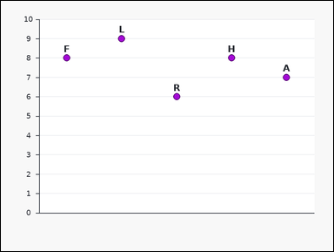 | 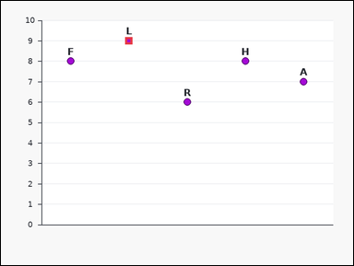 | task_charts_statistics_summary_label | argmax | The image shows a labeled dot plot. Each label marks one plotted point, and the relevant values are the points' y-values on the vertical axis. Read the chart values and name the matching label. Find the label of the maximum-value mark. Return a valid JSON object with keys "evidence" and "answer" in that order. Evidence field: set "evidence" to the maximum value as an integer. Answer field: set "answer" to the single uppercase label of the requested mark. Example JSON: {"evidence":8,"answer":"D"} | The image shows a labeled dot plot. Each label marks one plotted point, and the relevant values are the points' y-values on the vertical axis. Read the chart values and name the matching label. Find the label of the maximum-value mark. Return a valid JSON object with key "answer". Answer field: set "answer" to the single uppercase label of the requested mark. Example JSON: {"answer":"D"} | {"evidence": 9, "answer": "L"} | 9 | option_letter | integer | 146948471830673 | charts/task_charts_statistics_summary_label/images/argmax/0018.png | charts/task_charts_statistics_summary_label/data/argmax/0018.json
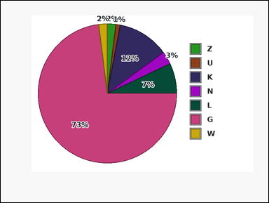 | 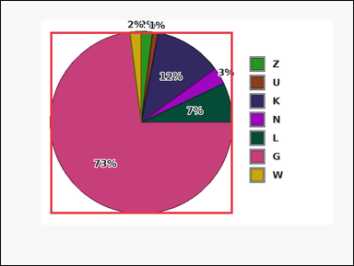 | task_charts_statistics_summary_label | argmax | Work from the labeled chart shown in the image: a pie chart with differently colored slices. A legend on the right maps each slice color to its label, and the relevant values are the percentages printed on the slices. Use the chart values to identify the correct label. Identify the label of the highest-value mark. Return a valid JSON object with keys "evidence" and "answer" in that order. Evidence rule: set "evidence" to the maximum value as an integer. Answer rule: set "answer" to the single uppercase label of the requested mark. Example JSON: {"evidence":8,"answer":"D"} | Work from the labeled chart shown in the image: a pie chart with differently colored slices. A legend on the right maps each slice color to its label, and the relevant values are the percentages printed on the slices. Use the chart values to identify the correct label. Identify the label of the highest-value mark. Return a valid JSON object with key "answer". Answer rule: set "answer" to the single uppercase label of the requested mark. Example JSON: {"answer":"D"} | {"evidence": 73, "answer": "G"} | 73 | option_letter | integer | 166545120917403 | charts/task_charts_statistics_summary_label/images/argmax/0014.png | charts/task_charts_statistics_summary_label/data/argmax/0014.json
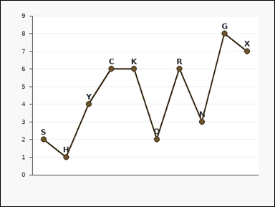 | 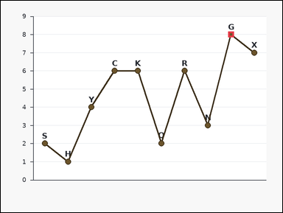 | task_charts_statistics_summary_label | argmax | Look at the chart in the image. It shows a labeled line chart with visible point markers. Each label marks one plotted point, and the relevant values are the points' y-values on the vertical axis. Use the chart values to identify the correct label. Identify the label of the highest-value mark. Return a valid JSON object with keys "evidence" and "answer" in that order. Evidence rule: set "evidence" to the maximum value as an integer. Answer rule: set "answer" to the single uppercase label of the requested mark. Example JSON: {"evidence":8,"answer":"D"} | Look at the chart in the image. It shows a labeled line chart with visible point markers. Each label marks one plotted point, and the relevant values are the points' y-values on the vertical axis. Use the chart values to identify the correct label. Identify the label of the highest-value mark. Return a valid JSON object with key "answer". Answer: set "answer" to the single uppercase label of the requested mark. Example JSON: {"answer":"D"} | {"evidence": 8, "answer": "G"} | 8 | option_letter | integer | 284875159782089 | charts/task_charts_statistics_summary_label/images/argmax/0009.png | charts/task_charts_statistics_summary_label/data/argmax/0009.json
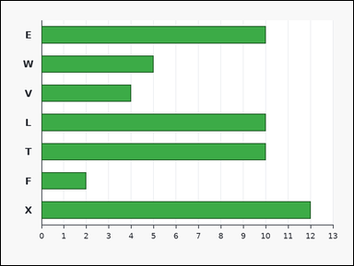 | 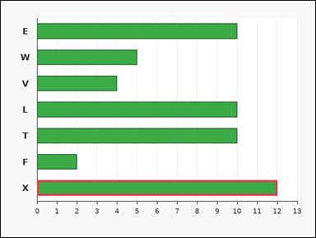 | task_charts_statistics_summary_label | argmax | Look at the chart in the image. It shows a labeled horizontal bar chart. Each bar's numeric length can be read from the horizontal axis. Answer this question. Determine which labeled mark shows the largest value. Return a valid JSON object with keys "evidence" and "answer" in that order. Evidence format: set "evidence" to the maximum value as an integer. Answer requirement: set "answer" to the single uppercase label of the requested mark. Example JSON: {"evidence":8,"answer":"D"} | Look at the chart in the image. It shows a labeled horizontal bar chart. Each bar's numeric length can be read from the horizontal axis. Answer this question. Determine which labeled mark shows the largest value. Return a valid JSON object with key "answer". Answer rule: set "answer" to the single uppercase label of the requested mark. Example JSON: {"answer":"D"} | {"evidence": 12, "answer": "X"} | 12 | option_letter | integer | 346815346647646 | charts/task_charts_statistics_summary_label/images/argmax/0005.png | charts/task_charts_statistics_summary_label/data/argmax/0005.json
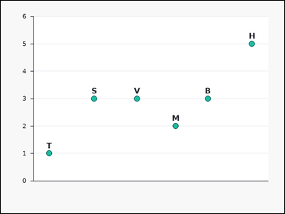 | 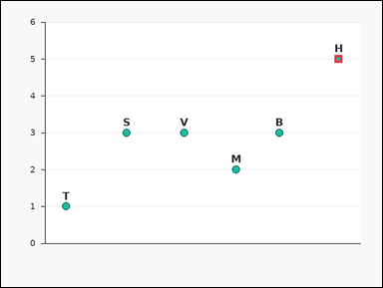 | task_charts_statistics_summary_label | argmax | Use the chart in the image. It shows a labeled scatter plot. Each label marks one plotted point, and the relevant values are the points' y-values on the vertical axis. Use the chart values to identify the correct label. Find the label of the maximum-value mark. Return a valid JSON object with keys "evidence" and "answer" in that order. Evidence: set "evidence" to the maximum value as an integer. Answer: set "answer" to the single uppercase label of the requested mark. Example JSON: {"evidence":8,"answer":"D"} | Use the chart in the image. It shows a labeled scatter plot. Each label marks one plotted point, and the relevant values are the points' y-values on the vertical axis. Use the chart values to identify the correct label. Find the label of the maximum-value mark. Return a valid JSON object with key "answer". Answer requirement: set "answer" to the single uppercase label of the requested mark. Example JSON: {"answer":"D"} | {"evidence": 5, "answer": "H"} | 5 | option_letter | integer | 366882248598156 | charts/task_charts_statistics_summary_label/images/argmax/0000.png | charts/task_charts_statistics_summary_label/data/argmax/0000.json
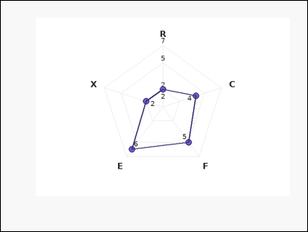 | 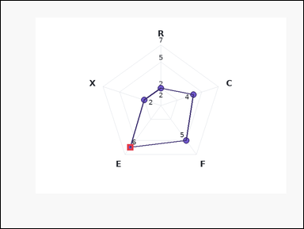 | task_charts_statistics_summary_label | argmax | Work from the labeled chart shown in the image: a labeled radar chart with one spoke per label. Each label marks one plotted point on the radar polygon, and the relevant values are the printed values near those points. Find the label of the mark that satisfies the requested statistic. Find the label of the maximum-value mark. Return a valid JSON object with keys "evidence" and "answer" in that order. Evidence field: set "evidence" to the maximum value as an integer. Answer field: set "answer" to the single uppercase label of the requested mark. Example JSON: {"evidence":8,"answer":"D"} | Work from the labeled chart shown in the image: a labeled radar chart with one spoke per label. Each label marks one plotted point on the radar polygon, and the relevant values are the printed values near those points. Find the label of the mark that satisfies the requested statistic. Find the label of the maximum-value mark. Return a valid JSON object with key "answer". Answer: set "answer" to the single uppercase label of the requested mark. Example JSON: {"answer":"D"} | {"evidence": 6, "answer": "E"} | 6 | option_letter | integer | 597386082259790 | charts/task_charts_statistics_summary_label/images/argmax/0023.png | charts/task_charts_statistics_summary_label/data/argmax/0023.json
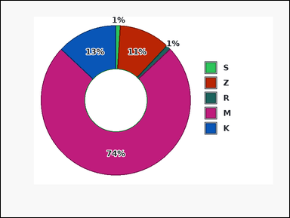 |  | task_charts_statistics_summary_label | argmax | Use the chart in the image. It shows a donut chart with differently colored slices. A legend on the right maps each slice color to its label, and the relevant values are the percentages printed on the slices. Read the chart values and name the matching label. Which label has the highest displayed value? Return a valid JSON object with keys "evidence" and "answer" in that order. Evidence format: set "evidence" to the maximum value as an integer. Answer requirement: set "answer" to the single uppercase label of the requested mark. Example JSON: {"evidence":8,"answer":"D"} | Use the chart in the image. It shows a donut chart with differently colored slices. A legend on the right maps each slice color to its label, and the relevant values are the percentages printed on the slices. Read the chart values and name the matching label. Which label has the highest displayed value? Return a valid JSON object with key "answer". Answer field: set "answer" to the single uppercase label of the requested mark. Example JSON: {"answer":"D"} | {"evidence": 74, "answer": "M"} | 74 | option_letter | integer | 641372112989957 | charts/task_charts_statistics_summary_label/images/argmax/0020.png | charts/task_charts_statistics_summary_label/data/argmax/0020.json
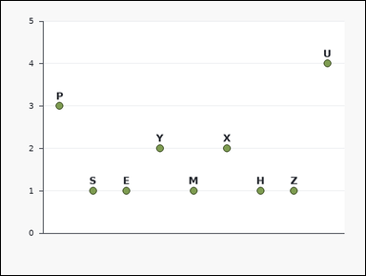 | 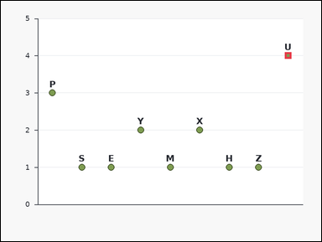 | task_charts_statistics_summary_label | argmax | Work from the labeled chart shown in the image: a labeled dot plot. Each label marks one plotted point, and the relevant values are the points' y-values on the vertical axis. Answer this question. Identify the label of the highest-value mark. Return a valid JSON object with keys "evidence" and "answer" in that order. Evidence rule: set "evidence" to the maximum value as an integer. Answer rule: set "answer" to the single uppercase label of the requested mark. Example JSON: {"evidence":8,"answer":"D"} | Work from the labeled chart shown in the image: a labeled dot plot. Each label marks one plotted point, and the relevant values are the points' y-values on the vertical axis. Answer this question. Identify the label of the highest-value mark. Return a valid JSON object with key "answer". Answer field: set "answer" to the single uppercase label of the requested mark. Example JSON: {"answer":"D"} | {"evidence": 4, "answer": "U"} | 4 | option_letter | integer | 1.0584843039E+15 | charts/task_charts_statistics_summary_label/images/argmax/0004.png | charts/task_charts_statistics_summary_label/data/argmax/0004.json
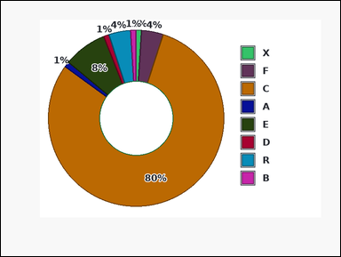 | 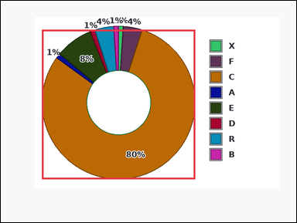 | task_charts_statistics_summary_label | argmax | Use the chart in the image. It shows a donut chart with differently colored slices. A legend on the right maps each slice color to its label, and the relevant values are the percentages printed on the slices. Use the chart values to identify the correct label. Which label has the highest displayed value? Return a valid JSON object with keys "evidence" and "answer" in that order. Evidence requirement: set "evidence" to the maximum value as an integer. Answer format: set "answer" to the single uppercase label of the requested mark. Example JSON: {"evidence":8,"answer":"D"} | Use the chart in the image. It shows a donut chart with differently colored slices. A legend on the right maps each slice color to its label, and the relevant values are the percentages printed on the slices. Use the chart values to identify the correct label. Which label has the highest displayed value? Return a valid JSON object with key "answer". Answer requirement: set "answer" to the single uppercase label of the requested mark. Example JSON: {"answer":"D"} | {"evidence": 80, "answer": "C"} | 80 | option_letter | integer | 1.2419639336E+15 | charts/task_charts_statistics_summary_label/images/argmax/0003.png | charts/task_charts_statistics_summary_label/data/argmax/0003.json
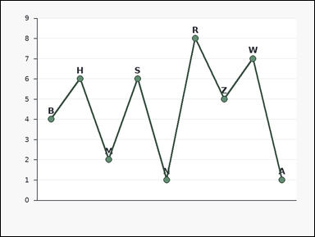 | 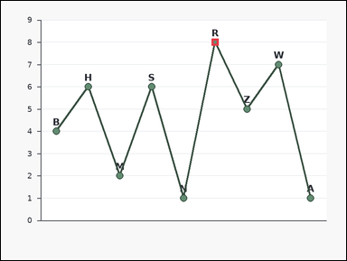 | task_charts_statistics_summary_label | argmax | Look at the chart in the image. It shows a labeled line chart with visible point markers. Each label marks one plotted point, and the relevant values are the points' y-values on the vertical axis. Find the label of the mark that satisfies the requested statistic. What label corresponds to the maximum value in the chart? Return a valid JSON object with keys "evidence" and "answer" in that order. Evidence: set "evidence" to the maximum value as an integer. Answer: set "answer" to the single uppercase label of the requested mark. Example JSON: {"evidence":8,"answer":"D"} | Look at the chart in the image. It shows a labeled line chart with visible point markers. Each label marks one plotted point, and the relevant values are the points' y-values on the vertical axis. Find the label of the mark that satisfies the requested statistic. What label corresponds to the maximum value in the chart? Return a valid JSON object with key "answer". Answer rule: set "answer" to the single uppercase label of the requested mark. Example JSON: {"answer":"D"} | {"evidence": 8, "answer": "R"} | 8 | option_letter | integer | 1.4462038929E+15 | charts/task_charts_statistics_summary_label/images/argmax/0013.png | charts/task_charts_statistics_summary_label/data/argmax/0013.json
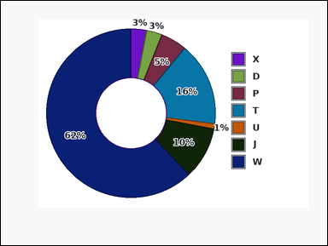 | 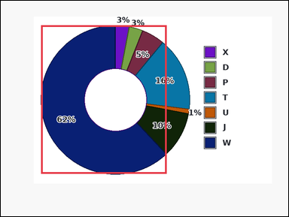 | task_charts_statistics_summary_label | argmax | Use the chart in the image. It shows a donut chart with differently colored slices. A legend on the right maps each slice color to its label, and the relevant values are the percentages printed on the slices. Answer this question. Which label has the highest displayed value? Return a valid JSON object with keys "evidence" and "answer" in that order. Evidence requirement: set "evidence" to the maximum value as an integer. Answer format: set "answer" to the single uppercase label of the requested mark. Example JSON: {"evidence":8,"answer":"D"} | Use the chart in the image. It shows a donut chart with differently colored slices. A legend on the right maps each slice color to its label, and the relevant values are the percentages printed on the slices. Answer this question. Which label has the highest displayed value? Return a valid JSON object with key "answer". Answer: set "answer" to the single uppercase label of the requested mark. Example JSON: {"answer":"D"} | {"evidence": 62, "answer": "W"} | 62 | option_letter | integer | 2.2731742413E+15 | charts/task_charts_statistics_summary_label/images/argmax/0006.png | charts/task_charts_statistics_summary_label/data/argmax/0006.json
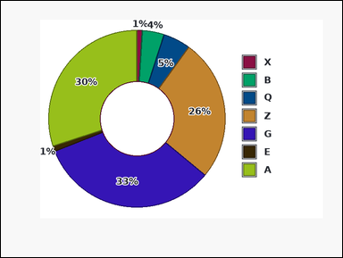 | 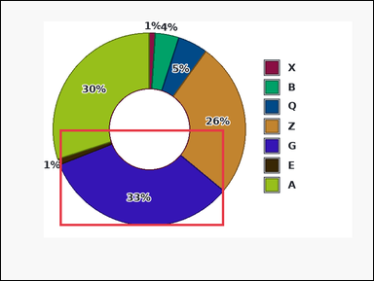 | task_charts_statistics_summary_label | argmax | You are given a labeled chart: a donut chart with differently colored slices. A legend on the right maps each slice color to its label, and the relevant values are the percentages printed on the slices. Use the chart values to identify the correct label. Determine which labeled mark shows the largest value. Return a valid JSON object with keys "evidence" and "answer" in that order. Evidence: set "evidence" to the maximum value as an integer. Answer: set "answer" to the single uppercase label of the requested mark. Example JSON: {"evidence":8,"answer":"D"} | You are given a labeled chart: a donut chart with differently colored slices. A legend on the right maps each slice color to its label, and the relevant values are the percentages printed on the slices. Use the chart values to identify the correct label. Determine which labeled mark shows the largest value. Return a valid JSON object with key "answer". Answer field: set "answer" to the single uppercase label of the requested mark. Example JSON: {"answer":"D"} | {"evidence": 33, "answer": "G"} | 33 | option_letter | integer | 2.4788544006E+15 | charts/task_charts_statistics_summary_label/images/argmax/0007.png | charts/task_charts_statistics_summary_label/data/argmax/0007.json
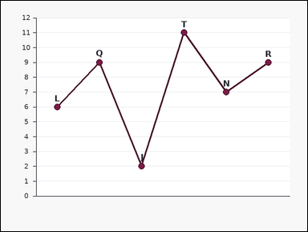 | 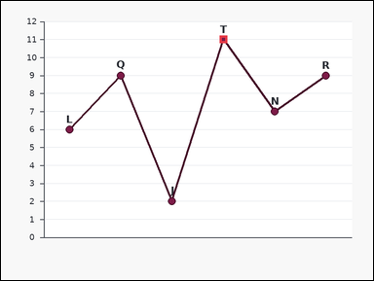 | task_charts_statistics_summary_label | argmax | Look at the chart in the image. It shows a labeled line chart with visible point markers. Each label marks one plotted point, and the relevant values are the points' y-values on the vertical axis. Use the chart values to identify the correct label. Find the label of the maximum-value mark. Return a valid JSON object with keys "evidence" and "answer" in that order. Evidence format: set "evidence" to the maximum value as an integer. Answer requirement: set "answer" to the single uppercase label of the requested mark. Example JSON: {"evidence":8,"answer":"D"} | Look at the chart in the image. It shows a labeled line chart with visible point markers. Each label marks one plotted point, and the relevant values are the points' y-values on the vertical axis. Use the chart values to identify the correct label. Find the label of the maximum-value mark. Return a valid JSON object with key "answer". Answer requirement: set "answer" to the single uppercase label of the requested mark. Example JSON: {"answer":"D"} | {"evidence": 11, "answer": "T"} | 11 | option_letter | integer | 3.2919667205E+15 | charts/task_charts_statistics_summary_label/images/argmax/0022.png | charts/task_charts_statistics_summary_label/data/argmax/0022.json
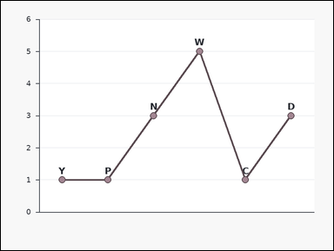 | 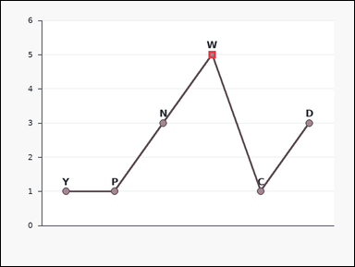 | task_charts_statistics_summary_label | argmax | The image shows a labeled line chart with visible point markers. Each label marks one plotted point, and the relevant values are the points' y-values on the vertical axis. Read the chart values and name the matching label. What label corresponds to the maximum value in the chart? Return a valid JSON object with keys "evidence" and "answer" in that order. Evidence rule: set "evidence" to the maximum value as an integer. Answer rule: set "answer" to the single uppercase label of the requested mark. Example JSON: {"evidence":8,"answer":"D"} | The image shows a labeled line chart with visible point markers. Each label marks one plotted point, and the relevant values are the points' y-values on the vertical axis. Read the chart values and name the matching label. What label corresponds to the maximum value in the chart? Return a valid JSON object with key "answer". Answer format: set "answer" to the single uppercase label of the requested mark. Example JSON: {"answer":"D"} | {"evidence": 5, "answer": "W"} | 5 | option_letter | integer | 3.566461651E+15 | charts/task_charts_statistics_summary_label/images/argmax/0016.png | charts/task_charts_statistics_summary_label/data/argmax/0016.json
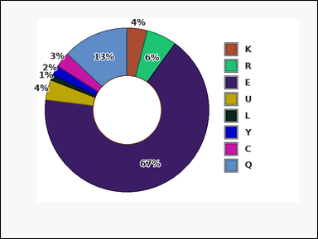 | 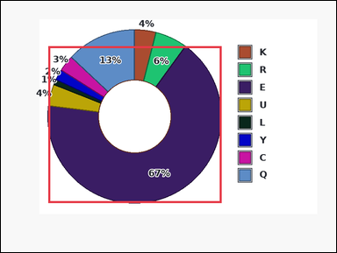 | task_charts_statistics_summary_label | argmax | Use the chart in the image. It shows a donut chart with differently colored slices. A legend on the right maps each slice color to its label, and the relevant values are the percentages printed on the slices. Determine which label matches the requested statistic. Identify the label of the highest-value mark. Return a valid JSON object with keys "evidence" and "answer" in that order. Evidence rule: set "evidence" to the maximum value as an integer. Answer rule: set "answer" to the single uppercase label of the requested mark. Example JSON: {"evidence":8,"answer":"D"} | Use the chart in the image. It shows a donut chart with differently colored slices. A legend on the right maps each slice color to its label, and the relevant values are the percentages printed on the slices. Determine which label matches the requested statistic. Identify the label of the highest-value mark. Return a valid JSON object with key "answer". Answer rule: set "answer" to the single uppercase label of the requested mark. Example JSON: {"answer":"D"} | {"evidence": 67, "answer": "E"} | 67 | option_letter | integer | 3.7440572943E+15 | charts/task_charts_statistics_summary_label/images/argmax/0008.png | charts/task_charts_statistics_summary_label/data/argmax/0008.json
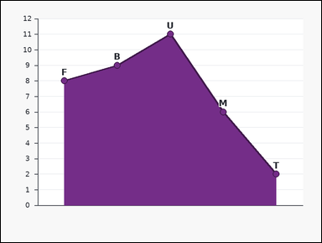 |  | task_charts_statistics_summary_label | argmax | Use the chart in the image. It shows a labeled area chart with visible point markers. Each label marks one plotted point, and the relevant values are the points' y-values on the vertical axis. Read the chart values and name the matching label. Identify the label of the highest-value mark. Return a valid JSON object with keys "evidence" and "answer" in that order. Evidence rule: set "evidence" to the maximum value as an integer. Answer rule: set "answer" to the single uppercase label of the requested mark. Example JSON: {"evidence":8,"answer":"D"} | Use the chart in the image. It shows a labeled area chart with visible point markers. Each label marks one plotted point, and the relevant values are the points' y-values on the vertical axis. Read the chart values and name the matching label. Identify the label of the highest-value mark. Return a valid JSON object with key "answer". Answer requirement: set "answer" to the single uppercase label of the requested mark. Example JSON: {"answer":"D"} | {"evidence": 11, "answer": "U"} | 11 | option_letter | integer | 3.8489159368E+15 | charts/task_charts_statistics_summary_label/images/argmax/0021.png | charts/task_charts_statistics_summary_label/data/argmax/0021.json
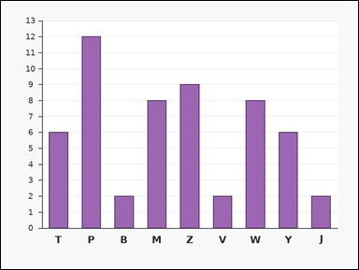 | 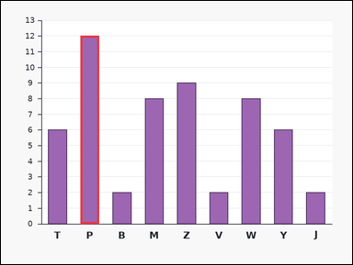 | task_charts_statistics_summary_label | argmax | Use the chart in the image. It shows a labeled bar chart. Each bar's numeric height can be read from the vertical axis. Find the label of the mark that satisfies the requested statistic. Identify the label of the highest-value mark. Return a valid JSON object with keys "evidence" and "answer" in that order. Evidence field: set "evidence" to the maximum value as an integer. Answer field: set "answer" to the single uppercase label of the requested mark. Example JSON: {"evidence":8,"answer":"D"} | Use the chart in the image. It shows a labeled bar chart. Each bar's numeric height can be read from the vertical axis. Find the label of the mark that satisfies the requested statistic. Identify the label of the highest-value mark. Return a valid JSON object with key "answer". Answer requirement: set "answer" to the single uppercase label of the requested mark. Example JSON: {"answer":"D"} | {"evidence": 12, "answer": "P"} | 12 | option_letter | integer | 3.9644350749E+15 | charts/task_charts_statistics_summary_label/images/argmax/0017.png | charts/task_charts_statistics_summary_label/data/argmax/0017.json
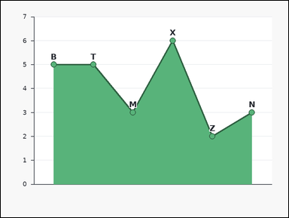 |  | task_charts_statistics_summary_label | argmax | The image shows a labeled area chart with visible point markers. Each label marks one plotted point, and the relevant values are the points' y-values on the vertical axis. Determine which label matches the requested statistic. Find the label of the maximum-value mark. Return a valid JSON object with keys "evidence" and "answer" in that order. Evidence format: set "evidence" to the maximum value as an integer. Answer requirement: set "answer" to the single uppercase label of the requested mark. Example JSON: {"evidence":8,"answer":"D"} | The image shows a labeled area chart with visible point markers. Each label marks one plotted point, and the relevant values are the points' y-values on the vertical axis. Determine which label matches the requested statistic. Find the label of the maximum-value mark. Return a valid JSON object with key "answer". Answer field: set "answer" to the single uppercase label of the requested mark. Example JSON: {"answer":"D"} | {"evidence": 6, "answer": "X"} | 6 | option_letter | integer | 4.3178518274E+15 | charts/task_charts_statistics_summary_label/images/argmax/0002.png | charts/task_charts_statistics_summary_label/data/argmax/0002.json
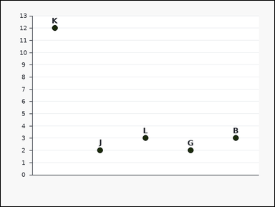 | 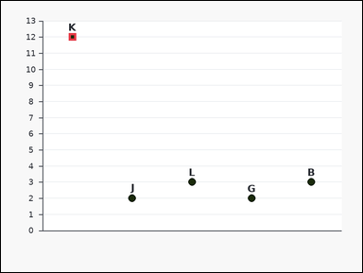 | task_charts_statistics_summary_label | argmax | The image shows a labeled dot plot. Each label marks one plotted point, and the relevant values are the points' y-values on the vertical axis. Determine which label matches the requested statistic. Determine which labeled mark shows the largest value. Return a valid JSON object with keys "evidence" and "answer" in that order. Evidence rule: set "evidence" to the maximum value as an integer. Answer rule: set "answer" to the single uppercase label of the requested mark. Example JSON: {"evidence":8,"answer":"D"} | The image shows a labeled dot plot. Each label marks one plotted point, and the relevant values are the points' y-values on the vertical axis. Determine which label matches the requested statistic. Determine which labeled mark shows the largest value. Return a valid JSON object with key "answer". Answer field: set "answer" to the single uppercase label of the requested mark. Example JSON: {"answer":"D"} | {"evidence": 12, "answer": "K"} | 12 | option_letter | integer | 4.3795806337E+15 | charts/task_charts_statistics_summary_label/images/argmax/0012.png | charts/task_charts_statistics_summary_label/data/argmax/0012.json
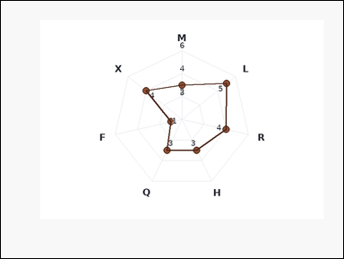 |  | task_charts_statistics_summary_label | argmax | You are given a labeled chart: a labeled radar chart with one spoke per label. Each label marks one plotted point on the radar polygon, and the relevant values are the printed values near those points. Read the chart values and name the matching label. Determine which labeled mark shows the largest value. Return a valid JSON object with keys "evidence" and "answer" in that order. Evidence: set "evidence" to the maximum value as an integer. Answer: set "answer" to the single uppercase label of the requested mark. Example JSON: {"evidence":8,"answer":"D"} | You are given a labeled chart: a labeled radar chart with one spoke per label. Each label marks one plotted point on the radar polygon, and the relevant values are the printed values near those points. Read the chart values and name the matching label. Determine which labeled mark shows the largest value. Return a valid JSON object with key "answer". Answer format: set "answer" to the single uppercase label of the requested mark. Example JSON: {"answer":"D"} | {"evidence": 5, "answer": "L"} | 5 | option_letter | integer | 4.9153327186E+15 | charts/task_charts_statistics_summary_label/images/argmax/0010.png | charts/task_charts_statistics_summary_label/data/argmax/0010.json
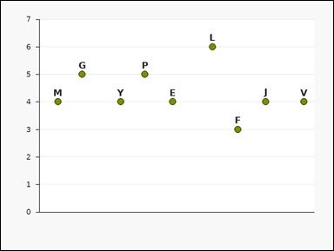 | 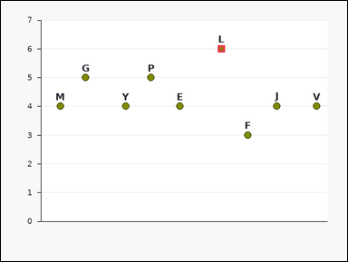 | task_charts_statistics_summary_label | argmax | Look at the chart in the image. It shows a labeled scatter plot. Each label marks one plotted point, and the relevant values are the points' y-values on the vertical axis. Find the label of the mark that satisfies the requested statistic. What label corresponds to the maximum value in the chart? Return a valid JSON object with keys "evidence" and "answer" in that order. Evidence requirement: set "evidence" to the maximum value as an integer. Answer format: set "answer" to the single uppercase label of the requested mark. Example JSON: {"evidence":8,"answer":"D"} | Look at the chart in the image. It shows a labeled scatter plot. Each label marks one plotted point, and the relevant values are the points' y-values on the vertical axis. Find the label of the mark that satisfies the requested statistic. What label corresponds to the maximum value in the chart? Return a valid JSON object with key "answer". Answer requirement: set "answer" to the single uppercase label of the requested mark. Example JSON: {"answer":"D"} | {"evidence": 6, "answer": "L"} | 6 | option_letter | integer | 5.0614075318E+15 | charts/task_charts_statistics_summary_label/images/argmax/0015.png | charts/task_charts_statistics_summary_label/data/argmax/0015.json
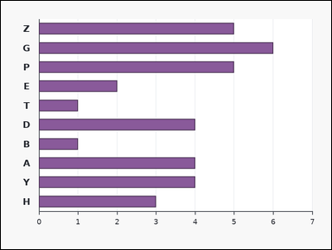 | 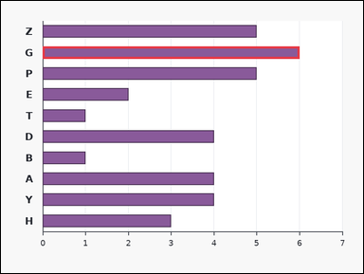 | task_charts_statistics_summary_label | argmax | Use the chart in the image. It shows a labeled horizontal bar chart. Each bar's numeric length can be read from the horizontal axis. Answer this question. Find the label of the maximum-value mark. Return a valid JSON object with keys "evidence" and "answer" in that order. Evidence format: set "evidence" to the maximum value as an integer. Answer requirement: set "answer" to the single uppercase label of the requested mark. Example JSON: {"evidence":8,"answer":"D"} | Use the chart in the image. It shows a labeled horizontal bar chart. Each bar's numeric length can be read from the horizontal axis. Answer this question. Find the label of the maximum-value mark. Return a valid JSON object with key "answer". Answer format: set "answer" to the single uppercase label of the requested mark. Example JSON: {"answer":"D"} | {"evidence": 6, "answer": "G"} | 6 | option_letter | integer | 5.6661672594E+15 | charts/task_charts_statistics_summary_label/images/argmax/0001.png | charts/task_charts_statistics_summary_label/data/argmax/0001.json
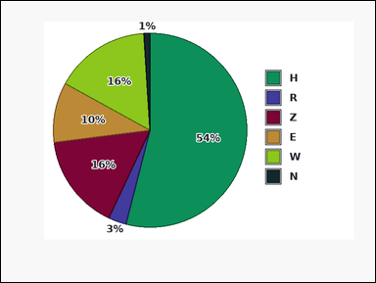 | 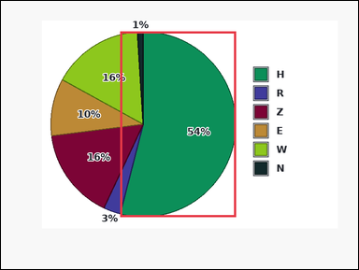 | task_charts_statistics_summary_label | argmax | Use the chart in the image. It shows a pie chart with differently colored slices. A legend on the right maps each slice color to its label, and the relevant values are the percentages printed on the slices. Read the chart values and name the matching label. Find the label of the maximum-value mark. Return a valid JSON object with keys "evidence" and "answer" in that order. Evidence requirement: set "evidence" to the maximum value as an integer. Answer format: set "answer" to the single uppercase label of the requested mark. Example JSON: {"evidence":8,"answer":"D"} | Use the chart in the image. It shows a pie chart with differently colored slices. A legend on the right maps each slice color to its label, and the relevant values are the percentages printed on the slices. Read the chart values and name the matching label. Find the label of the maximum-value mark. Return a valid JSON object with key "answer". Answer: set "answer" to the single uppercase label of the requested mark. Example JSON: {"answer":"D"} | {"evidence": 54, "answer": "H"} | 54 | option_letter | integer | 6.2378531429E+15 | charts/task_charts_statistics_summary_label/images/argmax/0019.png | charts/task_charts_statistics_summary_label/data/argmax/0019.json
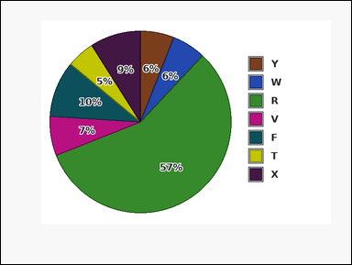 | 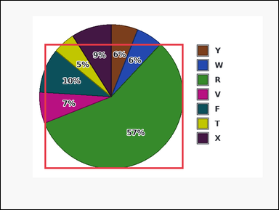 | task_charts_statistics_summary_label | argmax | Look at the chart in the image. It shows a pie chart with differently colored slices. A legend on the right maps each slice color to its label, and the relevant values are the percentages printed on the slices. Use the chart values to identify the correct label. What label corresponds to the maximum value in the chart? Return a valid JSON object with keys "evidence" and "answer" in that order. Evidence requirement: set "evidence" to the maximum value as an integer. Answer format: set "answer" to the single uppercase label of the requested mark. Example JSON: {"evidence":8,"answer":"D"} | Look at the chart in the image. It shows a pie chart with differently colored slices. A legend on the right maps each slice color to its label, and the relevant values are the percentages printed on the slices. Use the chart values to identify the correct label. What label corresponds to the maximum value in the chart? Return a valid JSON object with key "answer". Answer field: set "answer" to the single uppercase label of the requested mark. Example JSON: {"answer":"D"} | {"evidence": 57, "answer": "R"} | 57 | option_letter | integer | 7.1929743305E+15 | charts/task_charts_statistics_summary_label/images/argmax/0011.png | charts/task_charts_statistics_summary_label/data/argmax/0011.json
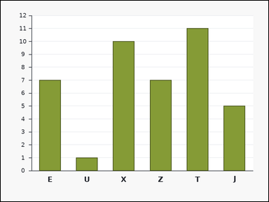 | 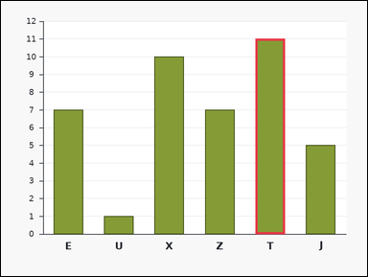 | task_charts_statistics_summary_label | argmax | The image shows a labeled bar chart. Each bar's numeric height can be read from the vertical axis. Answer this question. What label corresponds to the maximum value in the chart? Return a valid JSON object with keys "evidence" and "answer" in that order. Evidence: set "evidence" to the maximum value as an integer. Answer: set "answer" to the single uppercase label of the requested mark. Example JSON: {"evidence":8,"answer":"D"} | The image shows a labeled bar chart. Each bar's numeric height can be read from the vertical axis. Answer this question. What label corresponds to the maximum value in the chart? Return a valid JSON object with key "answer". Answer: set "answer" to the single uppercase label of the requested mark. Example JSON: {"answer":"D"} | {"evidence": 11, "answer": "T"} | 11 | option_letter | integer | 8.750311187E+15 | charts/task_charts_statistics_summary_label/images/argmax/0024.png | charts/task_charts_statistics_summary_label/data/argmax/0024.json

argmin
image | evidence_image | task | task_variant | prompt | prompt_answer_only | answer | answer_evidence | answer_type | evidence_type | instance_seed | image_path | data_path
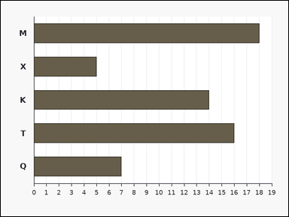 | 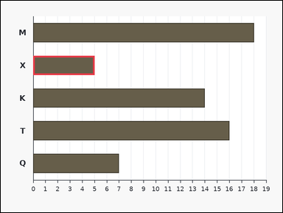 | task_charts_statistics_summary_label | argmin | Look at the chart in the image. It shows a labeled horizontal bar chart. Each bar's numeric length can be read from the horizontal axis. Find the label of the mark that satisfies the requested statistic. Determine which labeled mark shows the smallest value. Return a valid JSON object with keys "evidence" and "answer" in that order. Evidence: set "evidence" to the minimum value as an integer. Answer: set "answer" to the single uppercase label of the requested mark. Example JSON: {"evidence":2,"answer":"B"} | Look at the chart in the image. It shows a labeled horizontal bar chart. Each bar's numeric length can be read from the horizontal axis. Find the label of the mark that satisfies the requested statistic. Determine which labeled mark shows the smallest value. Return a valid JSON object with key "answer". Answer format: set "answer" to the single uppercase label of the requested mark. Example JSON: {"answer":"B"} | {"evidence": 5, "answer": "X"} | 5 | option_letter | integer | 536150593296314 | charts/task_charts_statistics_summary_label/images/argmin/0019.png | charts/task_charts_statistics_summary_label/data/argmin/0019.json
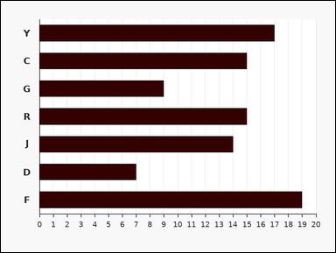 | 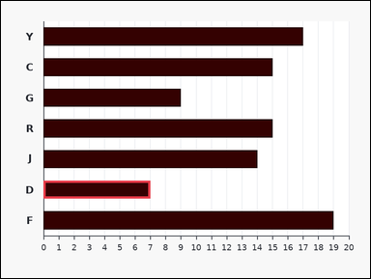 | task_charts_statistics_summary_label | argmin | Work from the labeled chart shown in the image: a labeled horizontal bar chart. Each bar's numeric length can be read from the horizontal axis. Read the chart values and name the matching label. Find the label of the minimum-value mark. Return a valid JSON object with keys "evidence" and "answer" in that order. Evidence requirement: set "evidence" to the minimum value as an integer. Answer format: set "answer" to the single uppercase label of the requested mark. Example JSON: {"evidence":2,"answer":"B"} | Work from the labeled chart shown in the image: a labeled horizontal bar chart. Each bar's numeric length can be read from the horizontal axis. Read the chart values and name the matching label. Find the label of the minimum-value mark. Return a valid JSON object with key "answer". Answer format: set "answer" to the single uppercase label of the requested mark. Example JSON: {"answer":"B"} | {"evidence": 7, "answer": "D"} | 7 | option_letter | integer | 837826075211362 | charts/task_charts_statistics_summary_label/images/argmin/0000.png | charts/task_charts_statistics_summary_label/data/argmin/0000.json
 |  | task_charts_statistics_summary_label | argmin | Look at the chart in the image. It shows a pie chart with differently colored slices. A legend on the right maps each slice color to its label, and the relevant values are the percentages printed on the slices. Use the chart values to identify the correct label. Determine which labeled mark shows the smallest value. Return a valid JSON object with keys "evidence" and "answer" in that order. Evidence field: set "evidence" to the minimum value as an integer. Answer field: set "answer" to the single uppercase label of the requested mark. Example JSON: {"evidence":2,"answer":"B"} | Look at the chart in the image. It shows a pie chart with differently colored slices. A legend on the right maps each slice color to its label, and the relevant values are the percentages printed on the slices. Use the chart values to identify the correct label. Determine which labeled mark shows the smallest value. Return a valid JSON object with key "answer". Answer field: set "answer" to the single uppercase label of the requested mark. Example JSON: {"answer":"B"} | {"evidence": 1, "answer": "M"} | 1 | option_letter | integer | 1.191051237E+15 | charts/task_charts_statistics_summary_label/images/argmin/0022.png | charts/task_charts_statistics_summary_label/data/argmin/0022.json
 |  | task_charts_statistics_summary_label | argmin | Work from the labeled chart shown in the image: a labeled bar chart. Each bar's numeric height can be read from the vertical axis. Answer this question. Determine which labeled mark shows the smallest value. Return a valid JSON object with keys "evidence" and "answer" in that order. Evidence requirement: set "evidence" to the minimum value as an integer. Answer format: set "answer" to the single uppercase label of the requested mark. Example JSON: {"evidence":2,"answer":"B"} | Work from the labeled chart shown in the image: a labeled bar chart. Each bar's numeric height can be read from the vertical axis. Answer this question. Determine which labeled mark shows the smallest value. Return a valid JSON object with key "answer". Answer field: set "answer" to the single uppercase label of the requested mark. Example JSON: {"answer":"B"} | {"evidence": 2, "answer": "H"} | 2 | option_letter | integer | 1.2613252716E+15 | charts/task_charts_statistics_summary_label/images/argmin/0012.png | charts/task_charts_statistics_summary_label/data/argmin/0012.json
 |  | task_charts_statistics_summary_label | argmin | The image shows a labeled bar chart. Each bar's numeric height can be read from the vertical axis. Read the chart values and name the matching label. Find the label of the minimum-value mark. Return a valid JSON object with keys "evidence" and "answer" in that order. Evidence field: set "evidence" to the minimum value as an integer. Answer field: set "answer" to the single uppercase label of the requested mark. Example JSON: {"evidence":2,"answer":"B"} | The image shows a labeled bar chart. Each bar's numeric height can be read from the vertical axis. Read the chart values and name the matching label. Find the label of the minimum-value mark. Return a valid JSON object with key "answer". Answer format: set "answer" to the single uppercase label of the requested mark. Example JSON: {"answer":"B"} | {"evidence": 2, "answer": "F"} | 2 | option_letter | integer | 1.4829668189E+15 | charts/task_charts_statistics_summary_label/images/argmin/0018.png | charts/task_charts_statistics_summary_label/data/argmin/0018.json
 |  | task_charts_statistics_summary_label | argmin | Work from the labeled chart shown in the image: a labeled horizontal bar chart. Each bar's numeric length can be read from the horizontal axis. Answer this question. Identify the label of the lowest-value mark. Return a valid JSON object with keys "evidence" and "answer" in that order. Evidence: set "evidence" to the minimum value as an integer. Answer: set "answer" to the single uppercase label of the requested mark. Example JSON: {"evidence":2,"answer":"B"} | Work from the labeled chart shown in the image: a labeled horizontal bar chart. Each bar's numeric length can be read from the horizontal axis. Answer this question. Identify the label of the lowest-value mark. Return a valid JSON object with key "answer". Answer: set "answer" to the single uppercase label of the requested mark. Example JSON: {"answer":"B"} | {"evidence": 5, "answer": "U"} | 5 | option_letter | integer | 1.6137020595E+15 | charts/task_charts_statistics_summary_label/images/argmin/0021.png | charts/task_charts_statistics_summary_label/data/argmin/0021.json
 |  | task_charts_statistics_summary_label | argmin | Use the chart in the image. It shows a labeled dot plot. Each label marks one plotted point, and the relevant values are the points' y-values on the vertical axis. Read the chart values and name the matching label. Which label has the lowest displayed value? Return a valid JSON object with keys "evidence" and "answer" in that order. Evidence field: set "evidence" to the minimum value as an integer. Answer field: set "answer" to the single uppercase label of the requested mark. Example JSON: {"evidence":2,"answer":"B"} | Use the chart in the image. It shows a labeled dot plot. Each label marks one plotted point, and the relevant values are the points' y-values on the vertical axis. Read the chart values and name the matching label. Which label has the lowest displayed value? Return a valid JSON object with key "answer". Answer format: set "answer" to the single uppercase label of the requested mark. Example JSON: {"answer":"B"} | {"evidence": 7, "answer": "K"} | 7 | option_letter | integer | 1.7970956153E+15 | charts/task_charts_statistics_summary_label/images/argmin/0003.png | charts/task_charts_statistics_summary_label/data/argmin/0003.json
 |  | task_charts_statistics_summary_label | argmin | The image shows a labeled line chart with visible point markers. Each label marks one plotted point, and the relevant values are the points' y-values on the vertical axis. Answer this question. Determine which labeled mark shows the smallest value. Return a valid JSON object with keys "evidence" and "answer" in that order. Evidence requirement: set "evidence" to the minimum value as an integer. Answer format: set "answer" to the single uppercase label of the requested mark. Example JSON: {"evidence":2,"answer":"B"} | The image shows a labeled line chart with visible point markers. Each label marks one plotted point, and the relevant values are the points' y-values on the vertical axis. Answer this question. Determine which labeled mark shows the smallest value. Return a valid JSON object with key "answer". Answer format: set "answer" to the single uppercase label of the requested mark. Example JSON: {"answer":"B"} | {"evidence": 6, "answer": "D"} | 6 | option_letter | integer | 1.8968722202E+15 | charts/task_charts_statistics_summary_label/images/argmin/0020.png | charts/task_charts_statistics_summary_label/data/argmin/0020.json
 |  | task_charts_statistics_summary_label | argmin | The image shows a labeled bar chart. Each bar's numeric height can be read from the vertical axis. Determine which label matches the requested statistic. Find the label of the minimum-value mark. Return a valid JSON object with keys "evidence" and "answer" in that order. Evidence field: set "evidence" to the minimum value as an integer. Answer field: set "answer" to the single uppercase label of the requested mark. Example JSON: {"evidence":2,"answer":"B"} | The image shows a labeled bar chart. Each bar's numeric height can be read from the vertical axis. Determine which label matches the requested statistic. Find the label of the minimum-value mark. Return a valid JSON object with key "answer". Answer field: set "answer" to the single uppercase label of the requested mark. Example JSON: {"answer":"B"} | {"evidence": 6, "answer": "G"} | 6 | option_letter | integer | 2.1540545775E+15 | charts/task_charts_statistics_summary_label/images/argmin/0005.png | charts/task_charts_statistics_summary_label/data/argmin/0005.json
 |  | task_charts_statistics_summary_label | argmin | The image shows a donut chart with differently colored slices. A legend on the right maps each slice color to its label, and the relevant values are the percentages printed on the slices. Read the chart values and name the matching label. Which label has the lowest displayed value? Return a valid JSON object with keys "evidence" and "answer" in that order. Evidence rule: set "evidence" to the minimum value as an integer. Answer rule: set "answer" to the single uppercase label of the requested mark. Example JSON: {"evidence":2,"answer":"B"} | The image shows a donut chart with differently colored slices. A legend on the right maps each slice color to its label, and the relevant values are the percentages printed on the slices. Read the chart values and name the matching label. Which label has the lowest displayed value? Return a valid JSON object with key "answer". Answer format: set "answer" to the single uppercase label of the requested mark. Example JSON: {"answer":"B"} | {"evidence": 2, "answer": "V"} | 2 | option_letter | integer | 2.9009070651E+15 | charts/task_charts_statistics_summary_label/images/argmin/0024.png | charts/task_charts_statistics_summary_label/data/argmin/0024.json
 |  | task_charts_statistics_summary_label | argmin | Look at the chart in the image. It shows a labeled radar chart with one spoke per label. Each label marks one plotted point on the radar polygon, and the relevant values are the printed values near those points. Determine which label matches the requested statistic. Determine which labeled mark shows the smallest value. Return a valid JSON object with keys "evidence" and "answer" in that order. Evidence: set "evidence" to the minimum value as an integer. Answer: set "answer" to the single uppercase label of the requested mark. Example JSON: {"evidence":2,"answer":"B"} | Look at the chart in the image. It shows a labeled radar chart with one spoke per label. Each label marks one plotted point on the radar polygon, and the relevant values are the printed values near those points. Determine which label matches the requested statistic. Determine which labeled mark shows the smallest value. Return a valid JSON object with key "answer". Answer field: set "answer" to the single uppercase label of the requested mark. Example JSON: {"answer":"B"} | {"evidence": 7, "answer": "W"} | 7 | option_letter | integer | 3.1588027738E+15 | charts/task_charts_statistics_summary_label/images/argmin/0015.png | charts/task_charts_statistics_summary_label/data/argmin/0015.json
 |  | task_charts_statistics_summary_label | argmin | Work from the labeled chart shown in the image: a labeled area chart with visible point markers. Each label marks one plotted point, and the relevant values are the points' y-values on the vertical axis. Read the chart values and name the matching label. Determine which labeled mark shows the smallest value. Return a valid JSON object with keys "evidence" and "answer" in that order. Evidence: set "evidence" to the minimum value as an integer. Answer: set "answer" to the single uppercase label of the requested mark. Example JSON: {"evidence":2,"answer":"B"} | Work from the labeled chart shown in the image: a labeled area chart with visible point markers. Each label marks one plotted point, and the relevant values are the points' y-values on the vertical axis. Read the chart values and name the matching label. Determine which labeled mark shows the smallest value. Return a valid JSON object with key "answer". Answer requirement: set "answer" to the single uppercase label of the requested mark. Example JSON: {"answer":"B"} | {"evidence": 5, "answer": "S"} | 5 | option_letter | integer | 3.6096363037E+15 | charts/task_charts_statistics_summary_label/images/argmin/0016.png | charts/task_charts_statistics_summary_label/data/argmin/0016.json
 |  | task_charts_statistics_summary_label | argmin | Look at the chart in the image. It shows a labeled radar chart with one spoke per label. Each label marks one plotted point on the radar polygon, and the relevant values are the printed values near those points. Determine which label matches the requested statistic. Determine which labeled mark shows the smallest value. Return a valid JSON object with keys "evidence" and "answer" in that order. Evidence rule: set "evidence" to the minimum value as an integer. Answer rule: set "answer" to the single uppercase label of the requested mark. Example JSON: {"evidence":2,"answer":"B"} | Look at the chart in the image. It shows a labeled radar chart with one spoke per label. Each label marks one plotted point on the radar polygon, and the relevant values are the printed values near those points. Determine which label matches the requested statistic. Determine which labeled mark shows the smallest value. Return a valid JSON object with key "answer". Answer field: set "answer" to the single uppercase label of the requested mark. Example JSON: {"answer":"B"} | {"evidence": 5, "answer": "M"} | 5 | option_letter | integer | 4.3305799234E+15 | charts/task_charts_statistics_summary_label/images/argmin/0023.png | charts/task_charts_statistics_summary_label/data/argmin/0023.json
 |  | task_charts_statistics_summary_label | argmin | Use the chart in the image. It shows a labeled dot plot. Each label marks one plotted point, and the relevant values are the points' y-values on the vertical axis. Answer this question. Which label has the lowest displayed value? Return a valid JSON object with keys "evidence" and "answer" in that order. Evidence field: set "evidence" to the minimum value as an integer. Answer field: set "answer" to the single uppercase label of the requested mark. Example JSON: {"evidence":2,"answer":"B"} | Use the chart in the image. It shows a labeled dot plot. Each label marks one plotted point, and the relevant values are the points' y-values on the vertical axis. Answer this question. Which label has the lowest displayed value? Return a valid JSON object with key "answer". Answer format: set "answer" to the single uppercase label of the requested mark. Example JSON: {"answer":"B"} | {"evidence": 1, "answer": "G"} | 1 | option_letter | integer | 5.5902189846E+15 | charts/task_charts_statistics_summary_label/images/argmin/0001.png | charts/task_charts_statistics_summary_label/data/argmin/0001.json
 |  | task_charts_statistics_summary_label | argmin | Work from the labeled chart shown in the image: a labeled scatter plot. Each label marks one plotted point, and the relevant values are the points' y-values on the vertical axis. Read the chart values and name the matching label. Which label has the lowest displayed value? Return a valid JSON object with keys "evidence" and "answer" in that order. Evidence rule: set "evidence" to the minimum value as an integer. Answer rule: set "answer" to the single uppercase label of the requested mark. Example JSON: {"evidence":2,"answer":"B"} | Work from the labeled chart shown in the image: a labeled scatter plot. Each label marks one plotted point, and the relevant values are the points' y-values on the vertical axis. Read the chart values and name the matching label. Which label has the lowest displayed value? Return a valid JSON object with key "answer". Answer format: set "answer" to the single uppercase label of the requested mark. Example JSON: {"answer":"B"} | {"evidence": 4, "answer": "W"} | 4 | option_letter | integer | 5.898022237E+15 | charts/task_charts_statistics_summary_label/images/argmin/0017.png | charts/task_charts_statistics_summary_label/data/argmin/0017.json
 |  | task_charts_statistics_summary_label | argmin | Look at the chart in the image. It shows a labeled radar chart with one spoke per label. Each label marks one plotted point on the radar polygon, and the relevant values are the printed values near those points. Find the label of the mark that satisfies the requested statistic. Which label has the lowest displayed value? Return a valid JSON object with keys "evidence" and "answer" in that order. Evidence rule: set "evidence" to the minimum value as an integer. Answer rule: set "answer" to the single uppercase label of the requested mark. Example JSON: {"evidence":2,"answer":"B"} | Look at the chart in the image. It shows a labeled radar chart with one spoke per label. Each label marks one plotted point on the radar polygon, and the relevant values are the printed values near those points. Find the label of the mark that satisfies the requested statistic. Which label has the lowest displayed value? Return a valid JSON object with key "answer". Answer format: set "answer" to the single uppercase label of the requested mark. Example JSON: {"answer":"B"} | {"evidence": 3, "answer": "Y"} | 3 | option_letter | integer | 5.9630954762E+15 | charts/task_charts_statistics_summary_label/images/argmin/0007.png | charts/task_charts_statistics_summary_label/data/argmin/0007.json
 |  | task_charts_statistics_summary_label | argmin | You are given a labeled chart: a labeled area chart with visible point markers. Each label marks one plotted point, and the relevant values are the points' y-values on the vertical axis. Answer this question. Find the label of the minimum-value mark. Return a valid JSON object with keys "evidence" and "answer" in that order. Evidence rule: set "evidence" to the minimum value as an integer. Answer rule: set "answer" to the single uppercase label of the requested mark. Example JSON: {"evidence":2,"answer":"B"} | You are given a labeled chart: a labeled area chart with visible point markers. Each label marks one plotted point, and the relevant values are the points' y-values on the vertical axis. Answer this question. Find the label of the minimum-value mark. Return a valid JSON object with key "answer". Answer rule: set "answer" to the single uppercase label of the requested mark. Example JSON: {"answer":"B"} | {"evidence": 8, "answer": "C"} | 8 | option_letter | integer | 6.3547307747E+15 | charts/task_charts_statistics_summary_label/images/argmin/0006.png | charts/task_charts_statistics_summary_label/data/argmin/0006.json
 |  | task_charts_statistics_summary_label | argmin | Use the chart in the image. It shows a labeled scatter plot. Each label marks one plotted point, and the relevant values are the points' y-values on the vertical axis. Use the chart values to identify the correct label. Find the label of the minimum-value mark. Return a valid JSON object with keys "evidence" and "answer" in that order. Evidence format: set "evidence" to the minimum value as an integer. Answer requirement: set "answer" to the single uppercase label of the requested mark. Example JSON: {"evidence":2,"answer":"B"} | Use the chart in the image. It shows a labeled scatter plot. Each label marks one plotted point, and the relevant values are the points' y-values on the vertical axis. Use the chart values to identify the correct label. Find the label of the minimum-value mark. Return a valid JSON object with key "answer". Answer: set "answer" to the single uppercase label of the requested mark. Example JSON: {"answer":"B"} | {"evidence": 2, "answer": "F"} | 2 | option_letter | integer | 6.5438826465E+15 | charts/task_charts_statistics_summary_label/images/argmin/0013.png | charts/task_charts_statistics_summary_label/data/argmin/0013.json
 |  | task_charts_statistics_summary_label | argmin | You are given a labeled chart: a labeled dot plot. Each label marks one plotted point, and the relevant values are the points' y-values on the vertical axis. Find the label of the mark that satisfies the requested statistic. Identify the label of the lowest-value mark. Return a valid JSON object with keys "evidence" and "answer" in that order. Evidence requirement: set "evidence" to the minimum value as an integer. Answer format: set "answer" to the single uppercase label of the requested mark. Example JSON: {"evidence":2,"answer":"B"} | You are given a labeled chart: a labeled dot plot. Each label marks one plotted point, and the relevant values are the points' y-values on the vertical axis. Find the label of the mark that satisfies the requested statistic. Identify the label of the lowest-value mark. Return a valid JSON object with key "answer". Answer field: set "answer" to the single uppercase label of the requested mark. Example JSON: {"answer":"B"} | {"evidence": 5, "answer": "D"} | 5 | option_letter | integer | 6.6109441692E+15 | charts/task_charts_statistics_summary_label/images/argmin/0014.png | charts/task_charts_statistics_summary_label/data/argmin/0014.json
 |  | task_charts_statistics_summary_label | argmin | The image shows a labeled area chart with visible point markers. Each label marks one plotted point, and the relevant values are the points' y-values on the vertical axis. Find the label of the mark that satisfies the requested statistic. Determine which labeled mark shows the smallest value. Return a valid JSON object with keys "evidence" and "answer" in that order. Evidence rule: set "evidence" to the minimum value as an integer. Answer rule: set "answer" to the single uppercase label of the requested mark. Example JSON: {"evidence":2,"answer":"B"} | The image shows a labeled area chart with visible point markers. Each label marks one plotted point, and the relevant values are the points' y-values on the vertical axis. Find the label of the mark that satisfies the requested statistic. Determine which labeled mark shows the smallest value. Return a valid JSON object with key "answer". Answer format: set "answer" to the single uppercase label of the requested mark. Example JSON: {"answer":"B"} | {"evidence": 1, "answer": "G"} | 1 | option_letter | integer | 6.6385292278E+15 | charts/task_charts_statistics_summary_label/images/argmin/0009.png | charts/task_charts_statistics_summary_label/data/argmin/0009.json
 |  | task_charts_statistics_summary_label | argmin | The image shows a labeled horizontal bar chart. Each bar's numeric length can be read from the horizontal axis. Determine which label matches the requested statistic. What label corresponds to the minimum value in the chart? Return a valid JSON object with keys "evidence" and "answer" in that order. Evidence format: set "evidence" to the minimum value as an integer. Answer requirement: set "answer" to the single uppercase label of the requested mark. Example JSON: {"evidence":2,"answer":"B"} | The image shows a labeled horizontal bar chart. Each bar's numeric length can be read from the horizontal axis. Determine which label matches the requested statistic. What label corresponds to the minimum value in the chart? Return a valid JSON object with key "answer". Answer requirement: set "answer" to the single uppercase label of the requested mark. Example JSON: {"answer":"B"} | {"evidence": 7, "answer": "Z"} | 7 | option_letter | integer | 7.2234972211E+15 | charts/task_charts_statistics_summary_label/images/argmin/0002.png | charts/task_charts_statistics_summary_label/data/argmin/0002.json
 |  | task_charts_statistics_summary_label | argmin | The image shows a labeled line chart with visible point markers. Each label marks one plotted point, and the relevant values are the points' y-values on the vertical axis. Determine which label matches the requested statistic. Determine which labeled mark shows the smallest value. Return a valid JSON object with keys "evidence" and "answer" in that order. Evidence: set "evidence" to the minimum value as an integer. Answer: set "answer" to the single uppercase label of the requested mark. Example JSON: {"evidence":2,"answer":"B"} | The image shows a labeled line chart with visible point markers. Each label marks one plotted point, and the relevant values are the points' y-values on the vertical axis. Determine which label matches the requested statistic. Determine which labeled mark shows the smallest value. Return a valid JSON object with key "answer". Answer requirement: set "answer" to the single uppercase label of the requested mark. Example JSON: {"answer":"B"} | {"evidence": 3, "answer": "Y"} | 3 | option_letter | integer | 8.0074715376E+15 | charts/task_charts_statistics_summary_label/images/argmin/0004.png | charts/task_charts_statistics_summary_label/data/argmin/0004.json
 |  | task_charts_statistics_summary_label | argmin | Use the chart in the image. It shows a labeled radar chart with one spoke per label. Each label marks one plotted point on the radar polygon, and the relevant values are the printed values near those points. Answer this question. Find the label of the minimum-value mark. Return a valid JSON object with keys "evidence" and "answer" in that order. Evidence requirement: set "evidence" to the minimum value as an integer. Answer format: set "answer" to the single uppercase label of the requested mark. Example JSON: {"evidence":2,"answer":"B"} | Use the chart in the image. It shows a labeled radar chart with one spoke per label. Each label marks one plotted point on the radar polygon, and the relevant values are the printed values near those points. Answer this question. Find the label of the minimum-value mark. Return a valid JSON object with key "answer". Answer field: set "answer" to the single uppercase label of the requested mark. Example JSON: {"answer":"B"} | {"evidence": 3, "answer": "A"} | 3 | option_letter | integer | 8.4199809444E+15 | charts/task_charts_statistics_summary_label/images/argmin/0010.png | charts/task_charts_statistics_summary_label/data/argmin/0010.json
 |  | task_charts_statistics_summary_label | argmin | Use the chart in the image. It shows a donut chart with differently colored slices. A legend on the right maps each slice color to its label, and the relevant values are the percentages printed on the slices. Find the label of the mark that satisfies the requested statistic. Which label has the lowest displayed value? Return a valid JSON object with keys "evidence" and "answer" in that order. Evidence rule: set "evidence" to the minimum value as an integer. Answer rule: set "answer" to the single uppercase label of the requested mark. Example JSON: {"evidence":2,"answer":"B"} | Use the chart in the image. It shows a donut chart with differently colored slices. A legend on the right maps each slice color to its label, and the relevant values are the percentages printed on the slices. Find the label of the mark that satisfies the requested statistic. Which label has the lowest displayed value? Return a valid JSON object with key "answer". Answer rule: set "answer" to the single uppercase label of the requested mark. Example JSON: {"answer":"B"} | {"evidence": 1, "answer": "T"} | 1 | option_letter | integer | 8.9017827527E+15 | charts/task_charts_statistics_summary_label/images/argmin/0008.png | charts/task_charts_statistics_summary_label/data/argmin/0008.json
 |  | task_charts_statistics_summary_label | argmin | Work from the labeled chart shown in the image: a labeled line chart with visible point markers. Each label marks one plotted point, and the relevant values are the points' y-values on the vertical axis. Find the label of the mark that satisfies the requested statistic. Which label has the lowest displayed value? Return a valid JSON object with keys "evidence" and "answer" in that order. Evidence: set "evidence" to the minimum value as an integer. Answer: set "answer" to the single uppercase label of the requested mark. Example JSON: {"evidence":2,"answer":"B"} | Work from the labeled chart shown in the image: a labeled line chart with visible point markers. Each label marks one plotted point, and the relevant values are the points' y-values on the vertical axis. Find the label of the mark that satisfies the requested statistic. Which label has the lowest displayed value? Return a valid JSON object with key "answer". Answer: set "answer" to the single uppercase label of the requested mark. Example JSON: {"answer":"B"} | {"evidence": 2, "answer": "L"} | 2 | option_letter | integer | 8.9656343636E+15 | charts/task_charts_statistics_summary_label/images/argmin/0011.png | charts/task_charts_statistics_summary_label/data/argmin/0011.json

median_label
image | evidence_image | task | task_variant | prompt | prompt_answer_only | answer | answer_evidence | answer_type | evidence_type | instance_seed | image_path | data_path
 |  | task_charts_statistics_summary_label | median_label | You are given a labeled chart: a labeled horizontal bar chart. Each bar's numeric length can be read from the horizontal axis. Answer this question. Identify the label of the median-value mark. Return a valid JSON object with keys "evidence" and "answer" in that order. Evidence field: set "evidence" to the median value as an integer. Answer field: set "answer" to the single uppercase label of the requested mark. Example JSON: {"evidence":6,"answer":"M"} | You are given a labeled chart: a labeled horizontal bar chart. Each bar's numeric length can be read from the horizontal axis. Answer this question. Identify the label of the median-value mark. Return a valid JSON object with key "answer". Answer: set "answer" to the single uppercase label of the requested mark. Example JSON: {"answer":"M"} | {"evidence": 7, "answer": "R"} | 7 | option_letter | integer | 184415787819894 | charts/task_charts_statistics_summary_label/images/median_label/0002.png | charts/task_charts_statistics_summary_label/data/median_label/0002.json
 |  | task_charts_statistics_summary_label | median_label | The image shows a labeled lollipop chart. Each label marks one plotted point, and the relevant values are the points' y-values on the vertical axis. Answer this question. Determine which labeled mark is the median. Return a valid JSON object with keys "evidence" and "answer" in that order. Evidence format: set "evidence" to the median value as an integer. Answer requirement: set "answer" to the single uppercase label of the requested mark. Example JSON: {"evidence":6,"answer":"M"} | The image shows a labeled lollipop chart. Each label marks one plotted point, and the relevant values are the points' y-values on the vertical axis. Answer this question. Determine which labeled mark is the median. Return a valid JSON object with key "answer". Answer field: set "answer" to the single uppercase label of the requested mark. Example JSON: {"answer":"M"} | {"evidence": 8, "answer": "X"} | 8 | option_letter | integer | 1.4830585774E+15 | charts/task_charts_statistics_summary_label/images/median_label/0004.png | charts/task_charts_statistics_summary_label/data/median_label/0004.json
 |  | task_charts_statistics_summary_label | median_label | You are given a labeled chart: a donut chart with differently colored slices. A legend on the right maps each slice color to its label, and the relevant values are the percentages printed on the slices. Read the chart values and name the matching label. Find the label of the mark with the median value. Return a valid JSON object with keys "evidence" and "answer" in that order. Evidence rule: set "evidence" to the median value as an integer. Answer rule: set "answer" to the single uppercase label of the requested mark. Example JSON: {"evidence":6,"answer":"M"} | You are given a labeled chart: a donut chart with differently colored slices. A legend on the right maps each slice color to its label, and the relevant values are the percentages printed on the slices. Read the chart values and name the matching label. Find the label of the mark with the median value. Return a valid JSON object with key "answer". Answer field: set "answer" to the single uppercase label of the requested mark. Example JSON: {"answer":"M"} | {"evidence": 5, "answer": "L"} | 5 | option_letter | integer | 1.9468074317E+15 | charts/task_charts_statistics_summary_label/images/median_label/0021.png | charts/task_charts_statistics_summary_label/data/median_label/0021.json
 |  | task_charts_statistics_summary_label | median_label | Use the chart in the image. It shows a donut chart with differently colored slices. A legend on the right maps each slice color to its label, and the relevant values are the percentages printed on the slices. Determine which label matches the requested statistic. Determine which labeled mark is the median. Return a valid JSON object with keys "evidence" and "answer" in that order. Evidence format: set "evidence" to the median value as an integer. Answer requirement: set "answer" to the single uppercase label of the requested mark. Example JSON: {"evidence":6,"answer":"M"} | Use the chart in the image. It shows a donut chart with differently colored slices. A legend on the right maps each slice color to its label, and the relevant values are the percentages printed on the slices. Determine which label matches the requested statistic. Determine which labeled mark is the median. Return a valid JSON object with key "answer". Answer rule: set "answer" to the single uppercase label of the requested mark. Example JSON: {"answer":"M"} | {"evidence": 4, "answer": "V"} | 4 | option_letter | integer | 1.9995178632E+15 | charts/task_charts_statistics_summary_label/images/median_label/0017.png | charts/task_charts_statistics_summary_label/data/median_label/0017.json
 |  | task_charts_statistics_summary_label | median_label | Look at the chart in the image. It shows a labeled horizontal bar chart. Each bar's numeric length can be read from the horizontal axis. Determine which label matches the requested statistic. What label corresponds to the median value in the chart? Return a valid JSON object with keys "evidence" and "answer" in that order. Evidence: set "evidence" to the median value as an integer. Answer: set "answer" to the single uppercase label of the requested mark. Example JSON: {"evidence":6,"answer":"M"} | Look at the chart in the image. It shows a labeled horizontal bar chart. Each bar's numeric length can be read from the horizontal axis. Determine which label matches the requested statistic. What label corresponds to the median value in the chart? Return a valid JSON object with key "answer". Answer rule: set "answer" to the single uppercase label of the requested mark. Example JSON: {"answer":"M"} | {"evidence": 3, "answer": "K"} | 3 | option_letter | integer | 2.0387187443E+15 | charts/task_charts_statistics_summary_label/images/median_label/0024.png | charts/task_charts_statistics_summary_label/data/median_label/0024.json
 |  | task_charts_statistics_summary_label | median_label | Look at the chart in the image. It shows a labeled radar chart with one spoke per label. Each label marks one plotted point on the radar polygon, and the relevant values are the printed values near those points. Read the chart values and name the matching label. Which label is the median mark? Return a valid JSON object with keys "evidence" and "answer" in that order. Evidence rule: set "evidence" to the median value as an integer. Answer rule: set "answer" to the single uppercase label of the requested mark. Example JSON: {"evidence":6,"answer":"M"} | Look at the chart in the image. It shows a labeled radar chart with one spoke per label. Each label marks one plotted point on the radar polygon, and the relevant values are the printed values near those points. Read the chart values and name the matching label. Which label is the median mark? Return a valid JSON object with key "answer". Answer rule: set "answer" to the single uppercase label of the requested mark. Example JSON: {"answer":"M"} | {"evidence": 3, "answer": "D"} | 3 | option_letter | integer | 2.120554817E+15 | charts/task_charts_statistics_summary_label/images/median_label/0000.png | charts/task_charts_statistics_summary_label/data/median_label/0000.json
 |  | task_charts_statistics_summary_label | median_label | You are given a labeled chart: a donut chart with differently colored slices. A legend on the right maps each slice color to its label, and the relevant values are the percentages printed on the slices. Read the chart values and name the matching label. What label corresponds to the median value in the chart? Return a valid JSON object with keys "evidence" and "answer" in that order. Evidence field: set "evidence" to the median value as an integer. Answer field: set "answer" to the single uppercase label of the requested mark. Example JSON: {"evidence":6,"answer":"M"} | You are given a labeled chart: a donut chart with differently colored slices. A legend on the right maps each slice color to its label, and the relevant values are the percentages printed on the slices. Read the chart values and name the matching label. What label corresponds to the median value in the chart? Return a valid JSON object with key "answer". Answer field: set "answer" to the single uppercase label of the requested mark. Example JSON: {"answer":"M"} | {"evidence": 10, "answer": "B"} | 10 | option_letter | integer | 3.2028527862E+15 | charts/task_charts_statistics_summary_label/images/median_label/0023.png | charts/task_charts_statistics_summary_label/data/median_label/0023.json
 |  | task_charts_statistics_summary_label | median_label | Use the chart in the image. It shows a labeled dot plot. Each label marks one plotted point, and the relevant values are the points' y-values on the vertical axis. Use the chart values to identify the correct label. Find the label of the mark with the median value. Return a valid JSON object with keys "evidence" and "answer" in that order. Evidence rule: set "evidence" to the median value as an integer. Answer rule: set "answer" to the single uppercase label of the requested mark. Example JSON: {"evidence":6,"answer":"M"} | Use the chart in the image. It shows a labeled dot plot. Each label marks one plotted point, and the relevant values are the points' y-values on the vertical axis. Use the chart values to identify the correct label. Find the label of the mark with the median value. Return a valid JSON object with key "answer". Answer format: set "answer" to the single uppercase label of the requested mark. Example JSON: {"answer":"M"} | {"evidence": 7, "answer": "J"} | 7 | option_letter | integer | 3.7715250874E+15 | charts/task_charts_statistics_summary_label/images/median_label/0003.png | charts/task_charts_statistics_summary_label/data/median_label/0003.json
 |  | task_charts_statistics_summary_label | median_label | Use the chart in the image. It shows a labeled bar chart. Each bar's numeric height can be read from the vertical axis. Answer this question. Which label is the median mark? Return a valid JSON object with keys "evidence" and "answer" in that order. Evidence rule: set "evidence" to the median value as an integer. Answer rule: set "answer" to the single uppercase label of the requested mark. Example JSON: {"evidence":6,"answer":"M"} | Use the chart in the image. It shows a labeled bar chart. Each bar's numeric height can be read from the vertical axis. Answer this question. Which label is the median mark? Return a valid JSON object with key "answer". Answer: set "answer" to the single uppercase label of the requested mark. Example JSON: {"answer":"M"} | {"evidence": 8, "answer": "H"} | 8 | option_letter | integer | 4.1282565012E+15 | charts/task_charts_statistics_summary_label/images/median_label/0009.png | charts/task_charts_statistics_summary_label/data/median_label/0009.json
 |  | task_charts_statistics_summary_label | median_label | You are given a labeled chart: a labeled area chart with visible point markers. Each label marks one plotted point, and the relevant values are the points' y-values on the vertical axis. Answer this question. Identify the label of the median-value mark. Return a valid JSON object with keys "evidence" and "answer" in that order. Evidence requirement: set "evidence" to the median value as an integer. Answer format: set "answer" to the single uppercase label of the requested mark. Example JSON: {"evidence":6,"answer":"M"} | You are given a labeled chart: a labeled area chart with visible point markers. Each label marks one plotted point, and the relevant values are the points' y-values on the vertical axis. Answer this question. Identify the label of the median-value mark. Return a valid JSON object with key "answer". Answer: set "answer" to the single uppercase label of the requested mark. Example JSON: {"answer":"M"} | {"evidence": 4, "answer": "L"} | 4 | option_letter | integer | 4.1821190762E+15 | charts/task_charts_statistics_summary_label/images/median_label/0020.png | charts/task_charts_statistics_summary_label/data/median_label/0020.json
 |  | task_charts_statistics_summary_label | median_label | The image shows a labeled radar chart with one spoke per label. Each label marks one plotted point on the radar polygon, and the relevant values are the printed values near those points. Find the label of the mark that satisfies the requested statistic. Identify the label of the median-value mark. Return a valid JSON object with keys "evidence" and "answer" in that order. Evidence: set "evidence" to the median value as an integer. Answer: set "answer" to the single uppercase label of the requested mark. Example JSON: {"evidence":6,"answer":"M"} | The image shows a labeled radar chart with one spoke per label. Each label marks one plotted point on the radar polygon, and the relevant values are the printed values near those points. Find the label of the mark that satisfies the requested statistic. Identify the label of the median-value mark. Return a valid JSON object with key "answer". Answer requirement: set "answer" to the single uppercase label of the requested mark. Example JSON: {"answer":"M"} | {"evidence": 6, "answer": "K"} | 6 | option_letter | integer | 4.7514917264E+15 | charts/task_charts_statistics_summary_label/images/median_label/0022.png | charts/task_charts_statistics_summary_label/data/median_label/0022.json
 |  | task_charts_statistics_summary_label | median_label | Use the chart in the image. It shows a labeled lollipop chart. Each label marks one plotted point, and the relevant values are the points' y-values on the vertical axis. Find the label of the mark that satisfies the requested statistic. Which label is the median mark? Return a valid JSON object with keys "evidence" and "answer" in that order. Evidence: set "evidence" to the median value as an integer. Answer: set "answer" to the single uppercase label of the requested mark. Example JSON: {"evidence":6,"answer":"M"} | Use the chart in the image. It shows a labeled lollipop chart. Each label marks one plotted point, and the relevant values are the points' y-values on the vertical axis. Find the label of the mark that satisfies the requested statistic. Which label is the median mark? Return a valid JSON object with key "answer". Answer format: set "answer" to the single uppercase label of the requested mark. Example JSON: {"answer":"M"} | {"evidence": 6, "answer": "G"} | 6 | option_letter | integer | 5.081077169E+15 | charts/task_charts_statistics_summary_label/images/median_label/0019.png | charts/task_charts_statistics_summary_label/data/median_label/0019.json
 |  | task_charts_statistics_summary_label | median_label | Work from the labeled chart shown in the image: a pie chart with differently colored slices. A legend on the right maps each slice color to its label, and the relevant values are the percentages printed on the slices. Determine which label matches the requested statistic. What label corresponds to the median value in the chart? Return a valid JSON object with keys "evidence" and "answer" in that order. Evidence: set "evidence" to the median value as an integer. Answer: set "answer" to the single uppercase label of the requested mark. Example JSON: {"evidence":6,"answer":"M"} | Work from the labeled chart shown in the image: a pie chart with differently colored slices. A legend on the right maps each slice color to its label, and the relevant values are the percentages printed on the slices. Determine which label matches the requested statistic. What label corresponds to the median value in the chart? Return a valid JSON object with key "answer". Answer format: set "answer" to the single uppercase label of the requested mark. Example JSON: {"answer":"M"} | {"evidence": 4, "answer": "E"} | 4 | option_letter | integer | 5.098223544E+15 | charts/task_charts_statistics_summary_label/images/median_label/0014.png | charts/task_charts_statistics_summary_label/data/median_label/0014.json
 |  | task_charts_statistics_summary_label | median_label | Work from the labeled chart shown in the image: a labeled scatter plot. Each label marks one plotted point, and the relevant values are the points' y-values on the vertical axis. Determine which label matches the requested statistic. Identify the label of the median-value mark. Return a valid JSON object with keys "evidence" and "answer" in that order. Evidence rule: set "evidence" to the median value as an integer. Answer rule: set "answer" to the single uppercase label of the requested mark. Example JSON: {"evidence":6,"answer":"M"} | Work from the labeled chart shown in the image: a labeled scatter plot. Each label marks one plotted point, and the relevant values are the points' y-values on the vertical axis. Determine which label matches the requested statistic. Identify the label of the median-value mark. Return a valid JSON object with key "answer". Answer rule: set "answer" to the single uppercase label of the requested mark. Example JSON: {"answer":"M"} | {"evidence": 9, "answer": "Z"} | 9 | option_letter | integer | 5.3856436146E+15 | charts/task_charts_statistics_summary_label/images/median_label/0010.png | charts/task_charts_statistics_summary_label/data/median_label/0010.json
 |  | task_charts_statistics_summary_label | median_label | Use the chart in the image. It shows a pie chart with differently colored slices. A legend on the right maps each slice color to its label, and the relevant values are the percentages printed on the slices. Use the chart values to identify the correct label. Which label is the median mark? Return a valid JSON object with keys "evidence" and "answer" in that order. Evidence field: set "evidence" to the median value as an integer. Answer field: set "answer" to the single uppercase label of the requested mark. Example JSON: {"evidence":6,"answer":"M"} | Use the chart in the image. It shows a pie chart with differently colored slices. A legend on the right maps each slice color to its label, and the relevant values are the percentages printed on the slices. Use the chart values to identify the correct label. Which label is the median mark? Return a valid JSON object with key "answer". Answer rule: set "answer" to the single uppercase label of the requested mark. Example JSON: {"answer":"M"} | {"evidence": 4, "answer": "L"} | 4 | option_letter | integer | 5.4395517099E+15 | charts/task_charts_statistics_summary_label/images/median_label/0015.png | charts/task_charts_statistics_summary_label/data/median_label/0015.json
 |  | task_charts_statistics_summary_label | median_label | The image shows a labeled lollipop chart. Each label marks one plotted point, and the relevant values are the points' y-values on the vertical axis. Read the chart values and name the matching label. Find the label of the mark with the median value. Return a valid JSON object with keys "evidence" and "answer" in that order. Evidence rule: set "evidence" to the median value as an integer. Answer rule: set "answer" to the single uppercase label of the requested mark. Example JSON: {"evidence":6,"answer":"M"} | The image shows a labeled lollipop chart. Each label marks one plotted point, and the relevant values are the points' y-values on the vertical axis. Read the chart values and name the matching label. Find the label of the mark with the median value. Return a valid JSON object with key "answer". Answer format: set "answer" to the single uppercase label of the requested mark. Example JSON: {"answer":"M"} | {"evidence": 9, "answer": "L"} | 9 | option_letter | integer | 6.1741766707E+15 | charts/task_charts_statistics_summary_label/images/median_label/0008.png | charts/task_charts_statistics_summary_label/data/median_label/0008.json
 |  | task_charts_statistics_summary_label | median_label | The image shows a donut chart with differently colored slices. A legend on the right maps each slice color to its label, and the relevant values are the percentages printed on the slices. Read the chart values and name the matching label. Identify the label of the median-value mark. Return a valid JSON object with keys "evidence" and "answer" in that order. Evidence rule: set "evidence" to the median value as an integer. Answer rule: set "answer" to the single uppercase label of the requested mark. Example JSON: {"evidence":6,"answer":"M"} | The image shows a donut chart with differently colored slices. A legend on the right maps each slice color to its label, and the relevant values are the percentages printed on the slices. Read the chart values and name the matching label. Identify the label of the median-value mark. Return a valid JSON object with key "answer". Answer rule: set "answer" to the single uppercase label of the requested mark. Example JSON: {"answer":"M"} | {"evidence": 14, "answer": "U"} | 14 | option_letter | integer | 6.3249397107E+15 | charts/task_charts_statistics_summary_label/images/median_label/0005.png | charts/task_charts_statistics_summary_label/data/median_label/0005.json
 |  | task_charts_statistics_summary_label | median_label | Look at the chart in the image. It shows a donut chart with differently colored slices. A legend on the right maps each slice color to its label, and the relevant values are the percentages printed on the slices. Find the label of the mark that satisfies the requested statistic. Find the label of the mark with the median value. Return a valid JSON object with keys "evidence" and "answer" in that order. Evidence format: set "evidence" to the median value as an integer. Answer requirement: set "answer" to the single uppercase label of the requested mark. Example JSON: {"evidence":6,"answer":"M"} | Look at the chart in the image. It shows a donut chart with differently colored slices. A legend on the right maps each slice color to its label, and the relevant values are the percentages printed on the slices. Find the label of the mark that satisfies the requested statistic. Find the label of the mark with the median value. Return a valid JSON object with key "answer". Answer: set "answer" to the single uppercase label of the requested mark. Example JSON: {"answer":"M"} | {"evidence": 15, "answer": "M"} | 15 | option_letter | integer | 6.79182847E+15 | charts/task_charts_statistics_summary_label/images/median_label/0006.png | charts/task_charts_statistics_summary_label/data/median_label/0006.json
 |  | task_charts_statistics_summary_label | median_label | You are given a labeled chart: a labeled horizontal bar chart. Each bar's numeric length can be read from the horizontal axis. Use the chart values to identify the correct label. Identify the label of the median-value mark. Return a valid JSON object with keys "evidence" and "answer" in that order. Evidence format: set "evidence" to the median value as an integer. Answer requirement: set "answer" to the single uppercase label of the requested mark. Example JSON: {"evidence":6,"answer":"M"} | You are given a labeled chart: a labeled horizontal bar chart. Each bar's numeric length can be read from the horizontal axis. Use the chart values to identify the correct label. Identify the label of the median-value mark. Return a valid JSON object with key "answer". Answer field: set "answer" to the single uppercase label of the requested mark. Example JSON: {"answer":"M"} | {"evidence": 4, "answer": "B"} | 4 | option_letter | integer | 7.0346450129E+15 | charts/task_charts_statistics_summary_label/images/median_label/0007.png | charts/task_charts_statistics_summary_label/data/median_label/0007.json
 |  | task_charts_statistics_summary_label | median_label | Look at the chart in the image. It shows a labeled lollipop chart. Each label marks one plotted point, and the relevant values are the points' y-values on the vertical axis. Answer this question. Find the label of the mark with the median value. Return a valid JSON object with keys "evidence" and "answer" in that order. Evidence requirement: set "evidence" to the median value as an integer. Answer format: set "answer" to the single uppercase label of the requested mark. Example JSON: {"evidence":6,"answer":"M"} | Look at the chart in the image. It shows a labeled lollipop chart. Each label marks one plotted point, and the relevant values are the points' y-values on the vertical axis. Answer this question. Find the label of the mark with the median value. Return a valid JSON object with key "answer". Answer requirement: set "answer" to the single uppercase label of the requested mark. Example JSON: {"answer":"M"} | {"evidence": 4, "answer": "M"} | 4 | option_letter | integer | 7.1885434167E+15 | charts/task_charts_statistics_summary_label/images/median_label/0018.png | charts/task_charts_statistics_summary_label/data/median_label/0018.json
 |  | task_charts_statistics_summary_label | median_label | The image shows a pie chart with differently colored slices. A legend on the right maps each slice color to its label, and the relevant values are the percentages printed on the slices. Determine which label matches the requested statistic. Determine which labeled mark is the median. Return a valid JSON object with keys "evidence" and "answer" in that order. Evidence field: set "evidence" to the median value as an integer. Answer field: set "answer" to the single uppercase label of the requested mark. Example JSON: {"evidence":6,"answer":"M"} | The image shows a pie chart with differently colored slices. A legend on the right maps each slice color to its label, and the relevant values are the percentages printed on the slices. Determine which label matches the requested statistic. Determine which labeled mark is the median. Return a valid JSON object with key "answer". Answer requirement: set "answer" to the single uppercase label of the requested mark. Example JSON: {"answer":"M"} | {"evidence": 4, "answer": "M"} | 4 | option_letter | integer | 8.4994494293E+15 | charts/task_charts_statistics_summary_label/images/median_label/0016.png | charts/task_charts_statistics_summary_label/data/median_label/0016.json
 |  | task_charts_statistics_summary_label | median_label | Use the chart in the image. It shows a labeled line chart with visible point markers. Each label marks one plotted point, and the relevant values are the points' y-values on the vertical axis. Read the chart values and name the matching label. Identify the label of the median-value mark. Return a valid JSON object with keys "evidence" and "answer" in that order. Evidence format: set "evidence" to the median value as an integer. Answer requirement: set "answer" to the single uppercase label of the requested mark. Example JSON: {"evidence":6,"answer":"M"} | Use the chart in the image. It shows a labeled line chart with visible point markers. Each label marks one plotted point, and the relevant values are the points' y-values on the vertical axis. Read the chart values and name the matching label. Identify the label of the median-value mark. Return a valid JSON object with key "answer". Answer requirement: set "answer" to the single uppercase label of the requested mark. Example JSON: {"answer":"M"} | {"evidence": 3, "answer": "R"} | 3 | option_letter | integer | 8.7756829104E+15 | charts/task_charts_statistics_summary_label/images/median_label/0012.png | charts/task_charts_statistics_summary_label/data/median_label/0012.json
 |  | task_charts_statistics_summary_label | median_label | Work from the labeled chart shown in the image: a labeled scatter plot. Each label marks one plotted point, and the relevant values are the points' y-values on the vertical axis. Read the chart values and name the matching label. Determine which labeled mark is the median. Return a valid JSON object with keys "evidence" and "answer" in that order. Evidence requirement: set "evidence" to the median value as an integer. Answer format: set "answer" to the single uppercase label of the requested mark. Example JSON: {"evidence":6,"answer":"M"} | Work from the labeled chart shown in the image: a labeled scatter plot. Each label marks one plotted point, and the relevant values are the points' y-values on the vertical axis. Read the chart values and name the matching label. Determine which labeled mark is the median. Return a valid JSON object with key "answer". Answer: set "answer" to the single uppercase label of the requested mark. Example JSON: {"answer":"M"} | {"evidence": 9, "answer": "D"} | 9 | option_letter | integer | 8.8392497368E+15 | charts/task_charts_statistics_summary_label/images/median_label/0001.png | charts/task_charts_statistics_summary_label/data/median_label/0001.json
 |  | task_charts_statistics_summary_label | median_label | Work from the labeled chart shown in the image: a labeled scatter plot. Each label marks one plotted point, and the relevant values are the points' y-values on the vertical axis. Read the chart values and name the matching label. Identify the label of the median-value mark. Return a valid JSON object with keys "evidence" and "answer" in that order. Evidence format: set "evidence" to the median value as an integer. Answer requirement: set "answer" to the single uppercase label of the requested mark. Example JSON: {"evidence":6,"answer":"M"} | Work from the labeled chart shown in the image: a labeled scatter plot. Each label marks one plotted point, and the relevant values are the points' y-values on the vertical axis. Read the chart values and name the matching label. Identify the label of the median-value mark. Return a valid JSON object with key "answer". Answer requirement: set "answer" to the single uppercase label of the requested mark. Example JSON: {"answer":"M"} | {"evidence": 8, "answer": "L"} | 8 | option_letter | integer | 8.8497869317E+15 | charts/task_charts_statistics_summary_label/images/median_label/0011.png | charts/task_charts_statistics_summary_label/data/median_label/0011.json
 |  | task_charts_statistics_summary_label | median_label | Use the chart in the image. It shows a labeled horizontal bar chart. Each bar's numeric length can be read from the horizontal axis. Find the label of the mark that satisfies the requested statistic. What label corresponds to the median value in the chart? Return a valid JSON object with keys "evidence" and "answer" in that order. Evidence: set "evidence" to the median value as an integer. Answer: set "answer" to the single uppercase label of the requested mark. Example JSON: {"evidence":6,"answer":"M"} | Use the chart in the image. It shows a labeled horizontal bar chart. Each bar's numeric length can be read from the horizontal axis. Find the label of the mark that satisfies the requested statistic. What label corresponds to the median value in the chart? Return a valid JSON object with key "answer". Answer requirement: set "answer" to the single uppercase label of the requested mark. Example JSON: {"answer":"M"} | {"evidence": 8, "answer": "P"} | 8 | option_letter | integer | 8.9052378483E+15 | charts/task_charts_statistics_summary_label/images/median_label/0013.png | charts/task_charts_statistics_summary_label/data/median_label/0013.json

