longest_decreasing_streak
image | evidence_image | task | task_variant | prompt | prompt_answer_only | answer | answer_evidence | answer_type | evidence_type | instance_seed | image_path | data_path
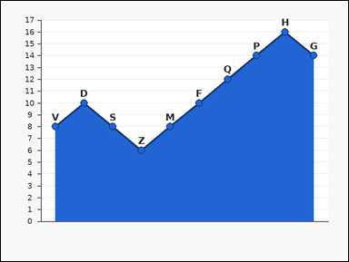 |  | task_charts_trend_structure_value | longest_decreasing_streak | Work from the ordered chart shown in the image: an ordered labeled area chart with visible point markers from left to right. Each label marks one plotted point, and the relevant values are the points' y-values on the vertical axis. Treat consecutive labels in displayed order as adjacent. Use the chart's displayed order to answer the question. Compute the length of the longest strictly decreasing run of consecutive labels. Return a valid JSON object with keys "evidence" and "answer" in that order. Evidence format: set "evidence" to an array containing all labels in the unique longest strictly decreasing streak. Answer requirement: set "answer" to the requested count or streak length as an integer. Example JSON: {"evidence":["A","C","F"],"answer":3} | Work from the ordered chart shown in the image: an ordered labeled area chart with visible point markers from left to right. Each label marks one plotted point, and the relevant values are the points' y-values on the vertical axis. Treat consecutive labels in displayed order as adjacent. Use the chart's displayed order to answer the question. Compute the length of the longest strictly decreasing run of consecutive labels. Return a valid JSON object with key "answer". Answer rule: set "answer" to the requested count or streak length as an integer. Example JSON: {"answer":3} | {"evidence": ["D", "S", "Z"], "answer": 3} | ["D", "S", "Z"] | integer | label_set | 574628222383922 | charts/task_charts_trend_structure_value/images/longest_decreasing_streak/0020.png | charts/task_charts_trend_structure_value/data/longest_decreasing_streak/0020.json
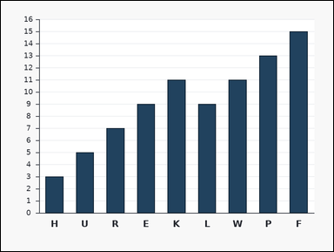 | 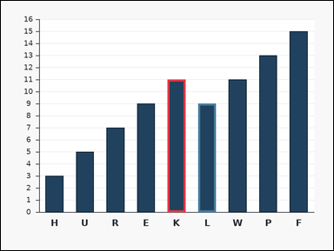 | task_charts_trend_structure_value | longest_decreasing_streak | You are given an ordered chart: an ordered labeled bar chart with bars arranged from left to right. Each bar's numeric height can be read from the vertical axis. Reason over the labels in the order they appear in the chart. Read the chart order carefully and compute the requested trend value. Determine the length of the longest streak where each consecutive label decreases in value. Count labels, not gaps. Return a valid JSON object with keys "evidence" and "answer" in that order. Evidence format: set "evidence" to an array containing all labels in the unique longest strictly decreasing streak. Answer requirement: set "answer" to the requested count or streak length as an integer. Example JSON: {"evidence":["A","C","F"],"answer":3} | You are given an ordered chart: an ordered labeled bar chart with bars arranged from left to right. Each bar's numeric height can be read from the vertical axis. Reason over the labels in the order they appear in the chart. Read the chart order carefully and compute the requested trend value. Determine the length of the longest streak where each consecutive label decreases in value. Count labels, not gaps. Return a valid JSON object with key "answer". Answer rule: set "answer" to the requested count or streak length as an integer. Example JSON: {"answer":3} | {"evidence": ["K", "L"], "answer": 2} | ["K", "L"] | integer | label_set | 593579389305689 | charts/task_charts_trend_structure_value/images/longest_decreasing_streak/0022.png | charts/task_charts_trend_structure_value/data/longest_decreasing_streak/0022.json
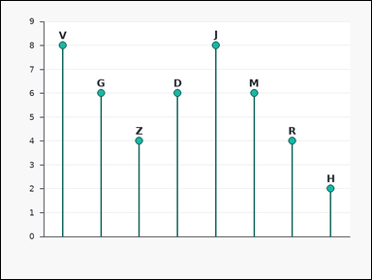 | 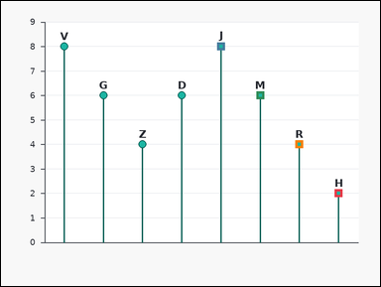 | task_charts_trend_structure_value | longest_decreasing_streak | Work from the ordered chart shown in the image: an ordered labeled lollipop chart with points arranged from left to right. Each label marks one plotted point, and the relevant values are the points' y-values on the vertical axis. Treat consecutive labels in displayed order as adjacent. Use the chart's displayed order to answer the question. What is the length of the longest strictly decreasing streak of consecutive labels in displayed order? Count labels in the streak. Return a valid JSON object with keys "evidence" and "answer" in that order. Evidence rule: set "evidence" to an array containing all labels in the unique longest strictly decreasing streak. Answer rule: set "answer" to the requested count or streak length as an integer. Example JSON: {"evidence":["A","C","F"],"answer":3} | Work from the ordered chart shown in the image: an ordered labeled lollipop chart with points arranged from left to right. Each label marks one plotted point, and the relevant values are the points' y-values on the vertical axis. Treat consecutive labels in displayed order as adjacent. Use the chart's displayed order to answer the question. What is the length of the longest strictly decreasing streak of consecutive labels in displayed order? Count labels in the streak. Return a valid JSON object with key "answer". Answer: set "answer" to the requested count or streak length as an integer. Example JSON: {"answer":3} | {"evidence": ["H", "J", "M", "R"], "answer": 4} | ["H", "J", "M", "R"] | integer | label_set | 615776466487007 | charts/task_charts_trend_structure_value/images/longest_decreasing_streak/0015.png | charts/task_charts_trend_structure_value/data/longest_decreasing_streak/0015.json
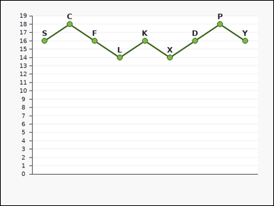 | 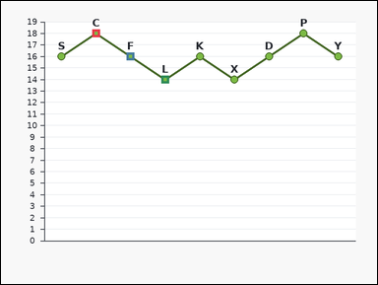 | task_charts_trend_structure_value | longest_decreasing_streak | The image shows an ordered labeled line chart with visible point markers from left to right. Each label marks one plotted point, and the relevant values are the points' y-values on the vertical axis. Use the chart's displayed order when reasoning about peaks, troughs, and streaks. Read the chart order carefully and compute the requested trend value. Compute the length of the longest strictly decreasing run of consecutive labels. Return a valid JSON object with keys "evidence" and "answer" in that order. Evidence rule: set "evidence" to an array containing all labels in the unique longest strictly decreasing streak. Answer rule: set "answer" to the requested count or streak length as an integer. Example JSON: {"evidence":["A","C","F"],"answer":3} | The image shows an ordered labeled line chart with visible point markers from left to right. Each label marks one plotted point, and the relevant values are the points' y-values on the vertical axis. Use the chart's displayed order when reasoning about peaks, troughs, and streaks. Read the chart order carefully and compute the requested trend value. Compute the length of the longest strictly decreasing run of consecutive labels. Return a valid JSON object with key "answer". Answer requirement: set "answer" to the requested count or streak length as an integer. Example JSON: {"answer":3} | {"evidence": ["C", "F", "L"], "answer": 3} | ["C", "F", "L"] | integer | label_set | 1.2165446365E+15 | charts/task_charts_trend_structure_value/images/longest_decreasing_streak/0011.png | charts/task_charts_trend_structure_value/data/longest_decreasing_streak/0011.json
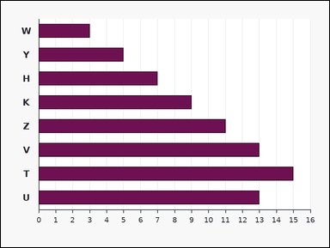 | 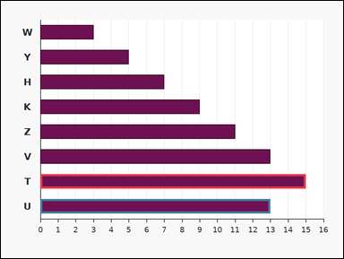 | task_charts_trend_structure_value | longest_decreasing_streak | Look at the chart in the image. It shows an ordered labeled horizontal bar chart with bars arranged from top to bottom. Each bar's numeric length can be read from the horizontal axis. Use the displayed label order for any local or streak-based reasoning. Determine the requested trend-structure value. What is the length of the longest strictly decreasing streak of consecutive labels in displayed order? Count labels in the streak. Return a valid JSON object with keys "evidence" and "answer" in that order. Evidence rule: set "evidence" to an array containing all labels in the unique longest strictly decreasing streak. Answer rule: set "answer" to the requested count or streak length as an integer. Example JSON: {"evidence":["A","C","F"],"answer":3} | Look at the chart in the image. It shows an ordered labeled horizontal bar chart with bars arranged from top to bottom. Each bar's numeric length can be read from the horizontal axis. Use the displayed label order for any local or streak-based reasoning. Determine the requested trend-structure value. What is the length of the longest strictly decreasing streak of consecutive labels in displayed order? Count labels in the streak. Return a valid JSON object with key "answer". Answer: set "answer" to the requested count or streak length as an integer. Example JSON: {"answer":3} | {"evidence": ["T", "U"], "answer": 2} | ["T", "U"] | integer | label_set | 1.5263869526E+15 | charts/task_charts_trend_structure_value/images/longest_decreasing_streak/0001.png | charts/task_charts_trend_structure_value/data/longest_decreasing_streak/0001.json
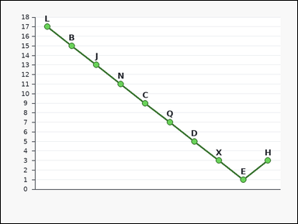 | 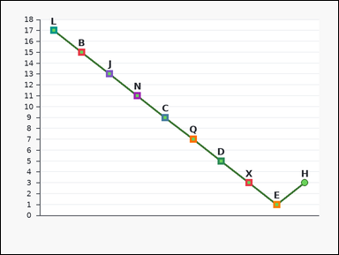 | task_charts_trend_structure_value | longest_decreasing_streak | Work from the ordered chart shown in the image: an ordered labeled line chart with visible point markers from left to right. Each label marks one plotted point, and the relevant values are the points' y-values on the vertical axis. Treat consecutive labels in displayed order as adjacent. Use the ordered chart values to answer the question. Determine the length of the longest streak where each consecutive label decreases in value. Count labels, not gaps. Return a valid JSON object with keys "evidence" and "answer" in that order. Evidence field: set "evidence" to an array containing all labels in the unique longest strictly decreasing streak. Answer field: set "answer" to the requested count or streak length as an integer. Example JSON: {"evidence":["A","C","F"],"answer":3} | Work from the ordered chart shown in the image: an ordered labeled line chart with visible point markers from left to right. Each label marks one plotted point, and the relevant values are the points' y-values on the vertical axis. Treat consecutive labels in displayed order as adjacent. Use the ordered chart values to answer the question. Determine the length of the longest streak where each consecutive label decreases in value. Count labels, not gaps. Return a valid JSON object with key "answer". Answer rule: set "answer" to the requested count or streak length as an integer. Example JSON: {"answer":3} | {"evidence": ["B", "C", "D", "E", "J", "L", "N", "Q", "X"], "answer": 9} | ["B", "C", "D", "E", "J", "L", "N", "Q", "X"] | integer | label_set | 2.2222683568E+15 | charts/task_charts_trend_structure_value/images/longest_decreasing_streak/0009.png | charts/task_charts_trend_structure_value/data/longest_decreasing_streak/0009.json
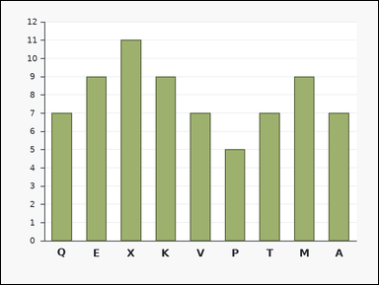 | 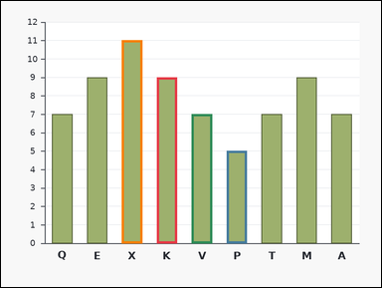 | task_charts_trend_structure_value | longest_decreasing_streak | You are given an ordered chart: an ordered labeled bar chart with bars arranged from left to right. Each bar's numeric height can be read from the vertical axis. Reason over the labels in the order they appear in the chart. Determine the requested trend-structure value. How many labels are in the longest strictly decreasing streak in displayed order? Return a valid JSON object with keys "evidence" and "answer" in that order. Evidence: set "evidence" to an array containing all labels in the unique longest strictly decreasing streak. Answer: set "answer" to the requested count or streak length as an integer. Example JSON: {"evidence":["A","C","F"],"answer":3} | You are given an ordered chart: an ordered labeled bar chart with bars arranged from left to right. Each bar's numeric height can be read from the vertical axis. Reason over the labels in the order they appear in the chart. Determine the requested trend-structure value. How many labels are in the longest strictly decreasing streak in displayed order? Return a valid JSON object with key "answer". Answer requirement: set "answer" to the requested count or streak length as an integer. Example JSON: {"answer":3} | {"evidence": ["K", "P", "V", "X"], "answer": 4} | ["K", "P", "V", "X"] | integer | label_set | 3.29670965E+15 | charts/task_charts_trend_structure_value/images/longest_decreasing_streak/0004.png | charts/task_charts_trend_structure_value/data/longest_decreasing_streak/0004.json
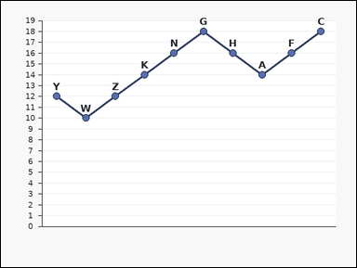 | 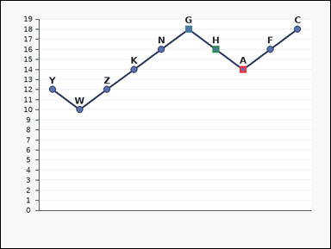 | task_charts_trend_structure_value | longest_decreasing_streak | Use the chart in the image. It shows an ordered labeled line chart with visible point markers from left to right. Each label marks one plotted point, and the relevant values are the points' y-values on the vertical axis. Read the labels in their displayed order. Use the ordered chart values to answer the question. How many labels are in the longest strictly decreasing streak in displayed order? Return a valid JSON object with keys "evidence" and "answer" in that order. Evidence rule: set "evidence" to an array containing all labels in the unique longest strictly decreasing streak. Answer rule: set "answer" to the requested count or streak length as an integer. Example JSON: {"evidence":["A","C","F"],"answer":3} | Use the chart in the image. It shows an ordered labeled line chart with visible point markers from left to right. Each label marks one plotted point, and the relevant values are the points' y-values on the vertical axis. Read the labels in their displayed order. Use the ordered chart values to answer the question. How many labels are in the longest strictly decreasing streak in displayed order? Return a valid JSON object with key "answer". Answer field: set "answer" to the requested count or streak length as an integer. Example JSON: {"answer":3} | {"evidence": ["A", "G", "H"], "answer": 3} | ["A", "G", "H"] | integer | label_set | 3.4135381977E+15 | charts/task_charts_trend_structure_value/images/longest_decreasing_streak/0003.png | charts/task_charts_trend_structure_value/data/longest_decreasing_streak/0003.json
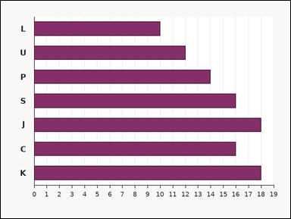 | 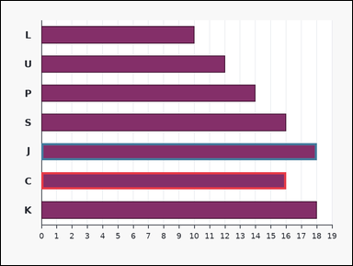 | task_charts_trend_structure_value | longest_decreasing_streak | You are given an ordered chart: an ordered labeled horizontal bar chart with bars arranged from top to bottom. Each bar's numeric length can be read from the horizontal axis. Reason over the labels in the order they appear in the chart. Use the chart's displayed order to answer the question. Determine the length of the longest streak where each consecutive label decreases in value. Count labels, not gaps. Return a valid JSON object with keys "evidence" and "answer" in that order. Evidence field: set "evidence" to an array containing all labels in the unique longest strictly decreasing streak. Answer field: set "answer" to the requested count or streak length as an integer. Example JSON: {"evidence":["A","C","F"],"answer":3} | You are given an ordered chart: an ordered labeled horizontal bar chart with bars arranged from top to bottom. Each bar's numeric length can be read from the horizontal axis. Reason over the labels in the order they appear in the chart. Use the chart's displayed order to answer the question. Determine the length of the longest streak where each consecutive label decreases in value. Count labels, not gaps. Return a valid JSON object with key "answer". Answer requirement: set "answer" to the requested count or streak length as an integer. Example JSON: {"answer":3} | {"evidence": ["C", "J"], "answer": 2} | ["C", "J"] | integer | label_set | 3.5323187675E+15 | charts/task_charts_trend_structure_value/images/longest_decreasing_streak/0023.png | charts/task_charts_trend_structure_value/data/longest_decreasing_streak/0023.json
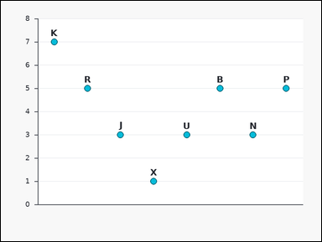 | 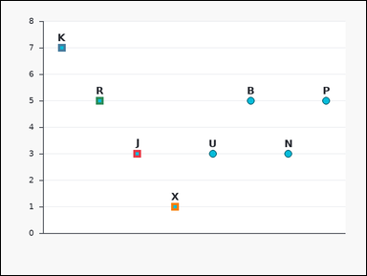 | task_charts_trend_structure_value | longest_decreasing_streak | The image shows an ordered labeled dot plot with points arranged from left to right. Each label marks one plotted point, and the relevant values are the points' y-values on the vertical axis. Use the chart's displayed order when reasoning about peaks, troughs, and streaks. Use the ordered chart values to answer the question. Find the number of labels in the longest strictly decreasing consecutive streak. Return a valid JSON object with keys "evidence" and "answer" in that order. Evidence format: set "evidence" to an array containing all labels in the unique longest strictly decreasing streak. Answer requirement: set "answer" to the requested count or streak length as an integer. Example JSON: {"evidence":["A","C","F"],"answer":3} | The image shows an ordered labeled dot plot with points arranged from left to right. Each label marks one plotted point, and the relevant values are the points' y-values on the vertical axis. Use the chart's displayed order when reasoning about peaks, troughs, and streaks. Use the ordered chart values to answer the question. Find the number of labels in the longest strictly decreasing consecutive streak. Return a valid JSON object with key "answer". Answer requirement: set "answer" to the requested count or streak length as an integer. Example JSON: {"answer":3} | {"evidence": ["J", "K", "R", "X"], "answer": 4} | ["J", "K", "R", "X"] | integer | label_set | 4.8309008241E+15 | charts/task_charts_trend_structure_value/images/longest_decreasing_streak/0010.png | charts/task_charts_trend_structure_value/data/longest_decreasing_streak/0010.json
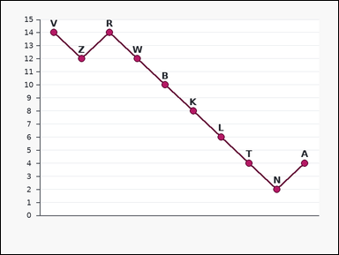 | 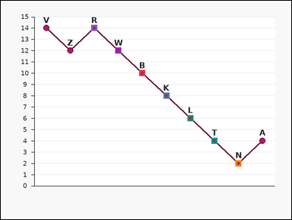 | task_charts_trend_structure_value | longest_decreasing_streak | Use the chart in the image. It shows an ordered labeled line chart with visible point markers from left to right. Each label marks one plotted point, and the relevant values are the points' y-values on the vertical axis. Read the labels in their displayed order. Read the chart order carefully and compute the requested trend value. Find the number of labels in the longest strictly decreasing consecutive streak. Return a valid JSON object with keys "evidence" and "answer" in that order. Evidence: set "evidence" to an array containing all labels in the unique longest strictly decreasing streak. Answer: set "answer" to the requested count or streak length as an integer. Example JSON: {"evidence":["A","C","F"],"answer":3} | Use the chart in the image. It shows an ordered labeled line chart with visible point markers from left to right. Each label marks one plotted point, and the relevant values are the points' y-values on the vertical axis. Read the labels in their displayed order. Read the chart order carefully and compute the requested trend value. Find the number of labels in the longest strictly decreasing consecutive streak. Return a valid JSON object with key "answer". Answer requirement: set "answer" to the requested count or streak length as an integer. Example JSON: {"answer":3} | {"evidence": ["B", "K", "L", "N", "R", "T", "W"], "answer": 7} | ["B", "K", "L", "N", "R", "T", "W"] | integer | label_set | 4.9857806739E+15 | charts/task_charts_trend_structure_value/images/longest_decreasing_streak/0007.png | charts/task_charts_trend_structure_value/data/longest_decreasing_streak/0007.json
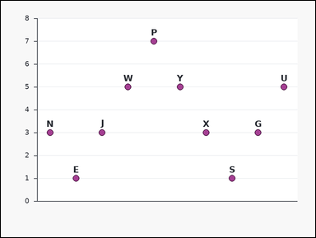 | 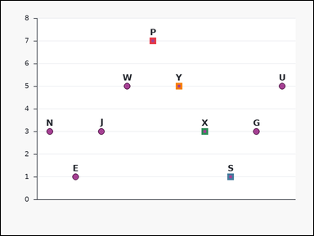 | task_charts_trend_structure_value | longest_decreasing_streak | You are given an ordered chart: an ordered labeled dot plot with points arranged from left to right. Each label marks one plotted point, and the relevant values are the points' y-values on the vertical axis. Reason over the labels in the order they appear in the chart. Determine the requested trend-structure value. Determine the length of the longest streak where each consecutive label decreases in value. Count labels, not gaps. Return a valid JSON object with keys "evidence" and "answer" in that order. Evidence rule: set "evidence" to an array containing all labels in the unique longest strictly decreasing streak. Answer rule: set "answer" to the requested count or streak length as an integer. Example JSON: {"evidence":["A","C","F"],"answer":3} | You are given an ordered chart: an ordered labeled dot plot with points arranged from left to right. Each label marks one plotted point, and the relevant values are the points' y-values on the vertical axis. Reason over the labels in the order they appear in the chart. Determine the requested trend-structure value. Determine the length of the longest streak where each consecutive label decreases in value. Count labels, not gaps. Return a valid JSON object with key "answer". Answer field: set "answer" to the requested count or streak length as an integer. Example JSON: {"answer":3} | {"evidence": ["P", "S", "X", "Y"], "answer": 4} | ["P", "S", "X", "Y"] | integer | label_set | 5.2846126273E+15 | charts/task_charts_trend_structure_value/images/longest_decreasing_streak/0014.png | charts/task_charts_trend_structure_value/data/longest_decreasing_streak/0014.json
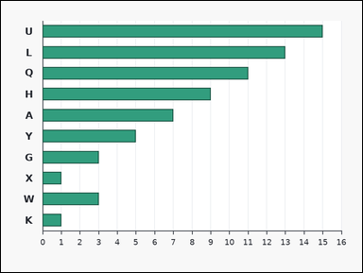 | 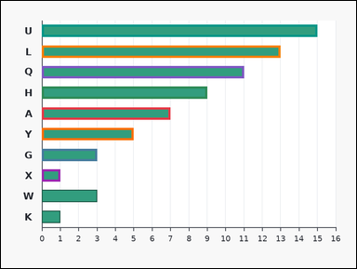 | task_charts_trend_structure_value | longest_decreasing_streak | Look at the chart in the image. It shows an ordered labeled horizontal bar chart with bars arranged from top to bottom. Each bar's numeric length can be read from the horizontal axis. Use the displayed label order for any local or streak-based reasoning. Answer this question. Determine the length of the longest streak where each consecutive label decreases in value. Count labels, not gaps. Return a valid JSON object with keys "evidence" and "answer" in that order. Evidence field: set "evidence" to an array containing all labels in the unique longest strictly decreasing streak. Answer field: set "answer" to the requested count or streak length as an integer. Example JSON: {"evidence":["A","C","F"],"answer":3} | Look at the chart in the image. It shows an ordered labeled horizontal bar chart with bars arranged from top to bottom. Each bar's numeric length can be read from the horizontal axis. Use the displayed label order for any local or streak-based reasoning. Answer this question. Determine the length of the longest streak where each consecutive label decreases in value. Count labels, not gaps. Return a valid JSON object with key "answer". Answer rule: set "answer" to the requested count or streak length as an integer. Example JSON: {"answer":3} | {"evidence": ["A", "G", "H", "L", "Q", "U", "X", "Y"], "answer": 8} | ["A", "G", "H", "L", "Q", "U", "X", "Y"] | integer | label_set | 5.3886248999E+15 | charts/task_charts_trend_structure_value/images/longest_decreasing_streak/0002.png | charts/task_charts_trend_structure_value/data/longest_decreasing_streak/0002.json
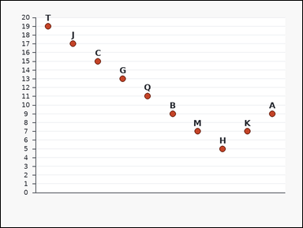 | 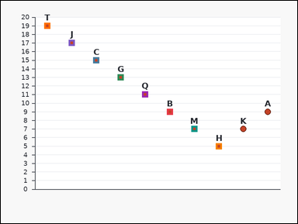 | task_charts_trend_structure_value | longest_decreasing_streak | Work from the ordered chart shown in the image: an ordered labeled dot plot with points arranged from left to right. Each label marks one plotted point, and the relevant values are the points' y-values on the vertical axis. Treat consecutive labels in displayed order as adjacent. Answer this question. Find the number of labels in the longest strictly decreasing consecutive streak. Return a valid JSON object with keys "evidence" and "answer" in that order. Evidence: set "evidence" to an array containing all labels in the unique longest strictly decreasing streak. Answer: set "answer" to the requested count or streak length as an integer. Example JSON: {"evidence":["A","C","F"],"answer":3} | Work from the ordered chart shown in the image: an ordered labeled dot plot with points arranged from left to right. Each label marks one plotted point, and the relevant values are the points' y-values on the vertical axis. Treat consecutive labels in displayed order as adjacent. Answer this question. Find the number of labels in the longest strictly decreasing consecutive streak. Return a valid JSON object with key "answer". Answer requirement: set "answer" to the requested count or streak length as an integer. Example JSON: {"answer":3} | {"evidence": ["B", "C", "G", "H", "J", "M", "Q", "T"], "answer": 8} | ["B", "C", "G", "H", "J", "M", "Q", "T"] | integer | label_set | 5.5898946273E+15 | charts/task_charts_trend_structure_value/images/longest_decreasing_streak/0013.png | charts/task_charts_trend_structure_value/data/longest_decreasing_streak/0013.json
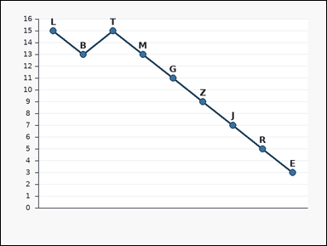 | 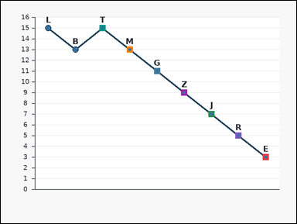 | task_charts_trend_structure_value | longest_decreasing_streak | Look at the chart in the image. It shows an ordered labeled line chart with visible point markers from left to right. Each label marks one plotted point, and the relevant values are the points' y-values on the vertical axis. Use the displayed label order for any local or streak-based reasoning. Determine the requested trend-structure value. Determine the length of the longest streak where each consecutive label decreases in value. Count labels, not gaps. Return a valid JSON object with keys "evidence" and "answer" in that order. Evidence rule: set "evidence" to an array containing all labels in the unique longest strictly decreasing streak. Answer rule: set "answer" to the requested count or streak length as an integer. Example JSON: {"evidence":["A","C","F"],"answer":3} | Look at the chart in the image. It shows an ordered labeled line chart with visible point markers from left to right. Each label marks one plotted point, and the relevant values are the points' y-values on the vertical axis. Use the displayed label order for any local or streak-based reasoning. Determine the requested trend-structure value. Determine the length of the longest streak where each consecutive label decreases in value. Count labels, not gaps. Return a valid JSON object with key "answer". Answer requirement: set "answer" to the requested count or streak length as an integer. Example JSON: {"answer":3} | {"evidence": ["E", "G", "J", "M", "R", "T", "Z"], "answer": 7} | ["E", "G", "J", "M", "R", "T", "Z"] | integer | label_set | 6.4926703004E+15 | charts/task_charts_trend_structure_value/images/longest_decreasing_streak/0021.png | charts/task_charts_trend_structure_value/data/longest_decreasing_streak/0021.json
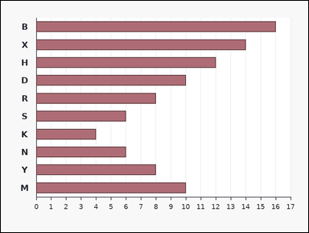 | 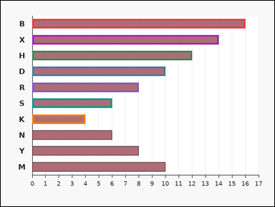 | task_charts_trend_structure_value | longest_decreasing_streak | Use the chart in the image. It shows an ordered labeled horizontal bar chart with bars arranged from top to bottom. Each bar's numeric length can be read from the horizontal axis. Read the labels in their displayed order. Use the chart's displayed order to answer the question. Compute the length of the longest strictly decreasing run of consecutive labels. Return a valid JSON object with keys "evidence" and "answer" in that order. Evidence field: set "evidence" to an array containing all labels in the unique longest strictly decreasing streak. Answer field: set "answer" to the requested count or streak length as an integer. Example JSON: {"evidence":["A","C","F"],"answer":3} | Use the chart in the image. It shows an ordered labeled horizontal bar chart with bars arranged from top to bottom. Each bar's numeric length can be read from the horizontal axis. Read the labels in their displayed order. Use the chart's displayed order to answer the question. Compute the length of the longest strictly decreasing run of consecutive labels. Return a valid JSON object with key "answer". Answer field: set "answer" to the requested count or streak length as an integer. Example JSON: {"answer":3} | {"evidence": ["B", "D", "H", "K", "R", "S", "X"], "answer": 7} | ["B", "D", "H", "K", "R", "S", "X"] | integer | label_set | 6.5199685304E+15 | charts/task_charts_trend_structure_value/images/longest_decreasing_streak/0017.png | charts/task_charts_trend_structure_value/data/longest_decreasing_streak/0017.json
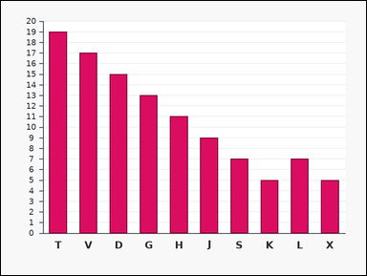 | 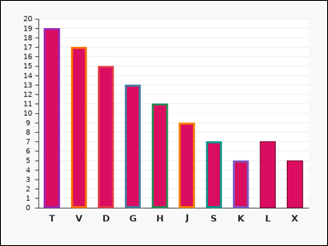 | task_charts_trend_structure_value | longest_decreasing_streak | Work from the ordered chart shown in the image: an ordered labeled bar chart with bars arranged from left to right. Each bar's numeric height can be read from the vertical axis. Treat consecutive labels in displayed order as adjacent. Use the chart's displayed order to answer the question. How many labels are in the longest strictly decreasing streak in displayed order? Return a valid JSON object with keys "evidence" and "answer" in that order. Evidence rule: set "evidence" to an array containing all labels in the unique longest strictly decreasing streak. Answer rule: set "answer" to the requested count or streak length as an integer. Example JSON: {"evidence":["A","C","F"],"answer":3} | Work from the ordered chart shown in the image: an ordered labeled bar chart with bars arranged from left to right. Each bar's numeric height can be read from the vertical axis. Treat consecutive labels in displayed order as adjacent. Use the chart's displayed order to answer the question. How many labels are in the longest strictly decreasing streak in displayed order? Return a valid JSON object with key "answer". Answer: set "answer" to the requested count or streak length as an integer. Example JSON: {"answer":3} | {"evidence": ["D", "G", "H", "J", "K", "S", "T", "V"], "answer": 8} | ["D", "G", "H", "J", "K", "S", "T", "V"] | integer | label_set | 6.54502274E+15 | charts/task_charts_trend_structure_value/images/longest_decreasing_streak/0000.png | charts/task_charts_trend_structure_value/data/longest_decreasing_streak/0000.json
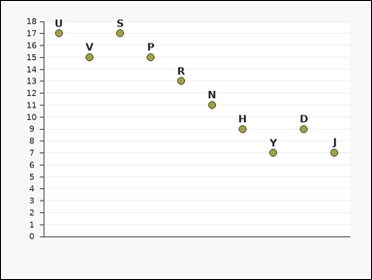 | 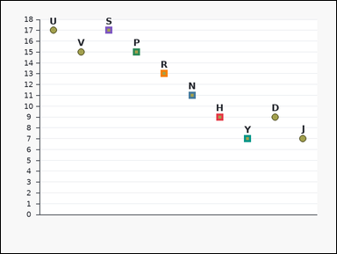 | task_charts_trend_structure_value | longest_decreasing_streak | You are given an ordered chart: an ordered labeled dot plot with points arranged from left to right. Each label marks one plotted point, and the relevant values are the points' y-values on the vertical axis. Reason over the labels in the order they appear in the chart. Determine the requested trend-structure value. Find the number of labels in the longest strictly decreasing consecutive streak. Return a valid JSON object with keys "evidence" and "answer" in that order. Evidence requirement: set "evidence" to an array containing all labels in the unique longest strictly decreasing streak. Answer format: set "answer" to the requested count or streak length as an integer. Example JSON: {"evidence":["A","C","F"],"answer":3} | You are given an ordered chart: an ordered labeled dot plot with points arranged from left to right. Each label marks one plotted point, and the relevant values are the points' y-values on the vertical axis. Reason over the labels in the order they appear in the chart. Determine the requested trend-structure value. Find the number of labels in the longest strictly decreasing consecutive streak. Return a valid JSON object with key "answer". Answer format: set "answer" to the requested count or streak length as an integer. Example JSON: {"answer":3} | {"evidence": ["H", "N", "P", "R", "S", "Y"], "answer": 6} | ["H", "N", "P", "R", "S", "Y"] | integer | label_set | 6.6963301468E+15 | charts/task_charts_trend_structure_value/images/longest_decreasing_streak/0016.png | charts/task_charts_trend_structure_value/data/longest_decreasing_streak/0016.json
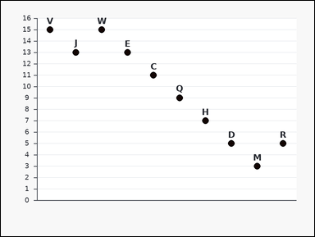 | 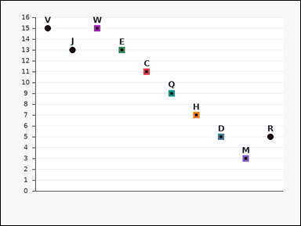 | task_charts_trend_structure_value | longest_decreasing_streak | You are given an ordered chart: an ordered labeled dot plot with points arranged from left to right. Each label marks one plotted point, and the relevant values are the points' y-values on the vertical axis. Reason over the labels in the order they appear in the chart. Answer this question. How many labels are in the longest strictly decreasing streak in displayed order? Return a valid JSON object with keys "evidence" and "answer" in that order. Evidence requirement: set "evidence" to an array containing all labels in the unique longest strictly decreasing streak. Answer format: set "answer" to the requested count or streak length as an integer. Example JSON: {"evidence":["A","C","F"],"answer":3} | You are given an ordered chart: an ordered labeled dot plot with points arranged from left to right. Each label marks one plotted point, and the relevant values are the points' y-values on the vertical axis. Reason over the labels in the order they appear in the chart. Answer this question. How many labels are in the longest strictly decreasing streak in displayed order? Return a valid JSON object with key "answer". Answer format: set "answer" to the requested count or streak length as an integer. Example JSON: {"answer":3} | {"evidence": ["C", "D", "E", "H", "M", "Q", "W"], "answer": 7} | ["C", "D", "E", "H", "M", "Q", "W"] | integer | label_set | 7.3454489825E+15 | charts/task_charts_trend_structure_value/images/longest_decreasing_streak/0024.png | charts/task_charts_trend_structure_value/data/longest_decreasing_streak/0024.json
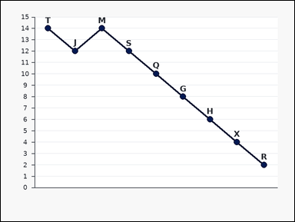 | 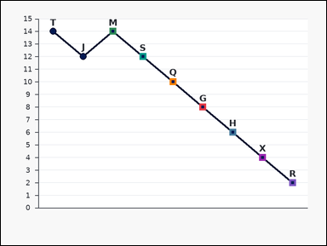 | task_charts_trend_structure_value | longest_decreasing_streak | Work from the ordered chart shown in the image: an ordered labeled line chart with visible point markers from left to right. Each label marks one plotted point, and the relevant values are the points' y-values on the vertical axis. Treat consecutive labels in displayed order as adjacent. Use the chart's displayed order to answer the question. Determine the length of the longest streak where each consecutive label decreases in value. Count labels, not gaps. Return a valid JSON object with keys "evidence" and "answer" in that order. Evidence format: set "evidence" to an array containing all labels in the unique longest strictly decreasing streak. Answer requirement: set "answer" to the requested count or streak length as an integer. Example JSON: {"evidence":["A","C","F"],"answer":3} | Work from the ordered chart shown in the image: an ordered labeled line chart with visible point markers from left to right. Each label marks one plotted point, and the relevant values are the points' y-values on the vertical axis. Treat consecutive labels in displayed order as adjacent. Use the chart's displayed order to answer the question. Determine the length of the longest streak where each consecutive label decreases in value. Count labels, not gaps. Return a valid JSON object with key "answer". Answer field: set "answer" to the requested count or streak length as an integer. Example JSON: {"answer":3} | {"evidence": ["G", "H", "M", "Q", "R", "S", "X"], "answer": 7} | ["G", "H", "M", "Q", "R", "S", "X"] | integer | label_set | 7.3818393795E+15 | charts/task_charts_trend_structure_value/images/longest_decreasing_streak/0005.png | charts/task_charts_trend_structure_value/data/longest_decreasing_streak/0005.json
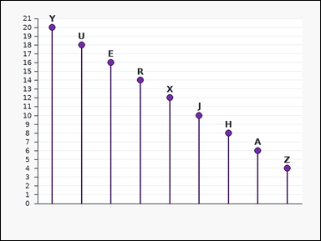 | 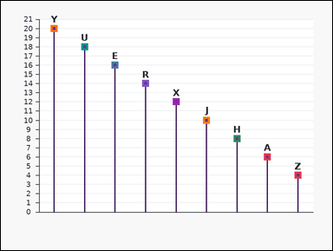 | task_charts_trend_structure_value | longest_decreasing_streak | Use the chart in the image. It shows an ordered labeled lollipop chart with points arranged from left to right. Each label marks one plotted point, and the relevant values are the points' y-values on the vertical axis. Read the labels in their displayed order. Answer this question. How many labels are in the longest strictly decreasing streak in displayed order? Return a valid JSON object with keys "evidence" and "answer" in that order. Evidence format: set "evidence" to an array containing all labels in the unique longest strictly decreasing streak. Answer requirement: set "answer" to the requested count or streak length as an integer. Example JSON: {"evidence":["A","C","F"],"answer":3} | Use the chart in the image. It shows an ordered labeled lollipop chart with points arranged from left to right. Each label marks one plotted point, and the relevant values are the points' y-values on the vertical axis. Read the labels in their displayed order. Answer this question. How many labels are in the longest strictly decreasing streak in displayed order? Return a valid JSON object with key "answer". Answer field: set "answer" to the requested count or streak length as an integer. Example JSON: {"answer":3} | {"evidence": ["A", "E", "H", "J", "R", "U", "X", "Y", "Z"], "answer": 9} | ["A", "E", "H", "J", "R", "U", "X", "Y", "Z"] | integer | label_set | 7.416538257E+15 | charts/task_charts_trend_structure_value/images/longest_decreasing_streak/0008.png | charts/task_charts_trend_structure_value/data/longest_decreasing_streak/0008.json
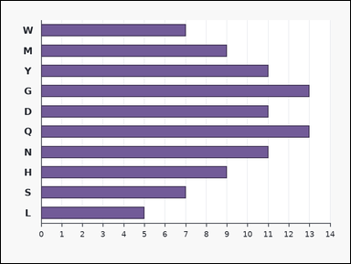 | 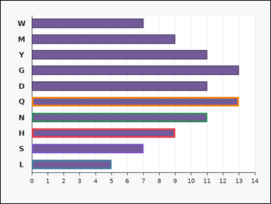 | task_charts_trend_structure_value | longest_decreasing_streak | You are given an ordered chart: an ordered labeled horizontal bar chart with bars arranged from top to bottom. Each bar's numeric length can be read from the horizontal axis. Reason over the labels in the order they appear in the chart. Read the chart order carefully and compute the requested trend value. What is the length of the longest strictly decreasing streak of consecutive labels in displayed order? Count labels in the streak. Return a valid JSON object with keys "evidence" and "answer" in that order. Evidence rule: set "evidence" to an array containing all labels in the unique longest strictly decreasing streak. Answer rule: set "answer" to the requested count or streak length as an integer. Example JSON: {"evidence":["A","C","F"],"answer":3} | You are given an ordered chart: an ordered labeled horizontal bar chart with bars arranged from top to bottom. Each bar's numeric length can be read from the horizontal axis. Reason over the labels in the order they appear in the chart. Read the chart order carefully and compute the requested trend value. What is the length of the longest strictly decreasing streak of consecutive labels in displayed order? Count labels in the streak. Return a valid JSON object with key "answer". Answer: set "answer" to the requested count or streak length as an integer. Example JSON: {"answer":3} | {"evidence": ["H", "L", "N", "Q", "S"], "answer": 5} | ["H", "L", "N", "Q", "S"] | integer | label_set | 7.5803500409E+15 | charts/task_charts_trend_structure_value/images/longest_decreasing_streak/0012.png | charts/task_charts_trend_structure_value/data/longest_decreasing_streak/0012.json
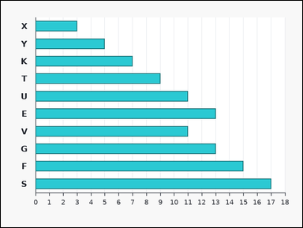 |  | task_charts_trend_structure_value | longest_decreasing_streak | Use the chart in the image. It shows an ordered labeled horizontal bar chart with bars arranged from top to bottom. Each bar's numeric length can be read from the horizontal axis. Read the labels in their displayed order. Determine the requested trend-structure value. Compute the length of the longest strictly decreasing run of consecutive labels. Return a valid JSON object with keys "evidence" and "answer" in that order. Evidence: set "evidence" to an array containing all labels in the unique longest strictly decreasing streak. Answer: set "answer" to the requested count or streak length as an integer. Example JSON: {"evidence":["A","C","F"],"answer":3} | Use the chart in the image. It shows an ordered labeled horizontal bar chart with bars arranged from top to bottom. Each bar's numeric length can be read from the horizontal axis. Read the labels in their displayed order. Determine the requested trend-structure value. Compute the length of the longest strictly decreasing run of consecutive labels. Return a valid JSON object with key "answer". Answer: set "answer" to the requested count or streak length as an integer. Example JSON: {"answer":3} | {"evidence": ["E", "V"], "answer": 2} | ["E", "V"] | integer | label_set | 7.7488598231E+15 | charts/task_charts_trend_structure_value/images/longest_decreasing_streak/0019.png | charts/task_charts_trend_structure_value/data/longest_decreasing_streak/0019.json
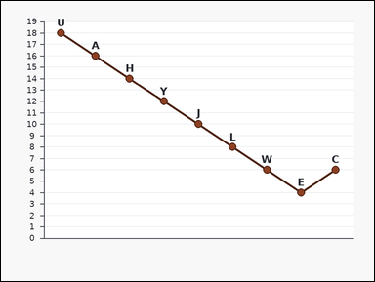 | 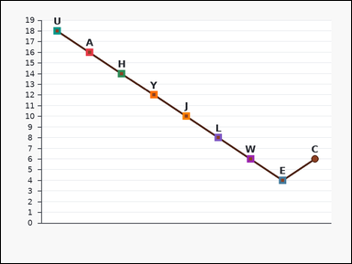 | task_charts_trend_structure_value | longest_decreasing_streak | You are given an ordered chart: an ordered labeled line chart with visible point markers from left to right. Each label marks one plotted point, and the relevant values are the points' y-values on the vertical axis. Reason over the labels in the order they appear in the chart. Use the ordered chart values to answer the question. Find the number of labels in the longest strictly decreasing consecutive streak. Return a valid JSON object with keys "evidence" and "answer" in that order. Evidence rule: set "evidence" to an array containing all labels in the unique longest strictly decreasing streak. Answer rule: set "answer" to the requested count or streak length as an integer. Example JSON: {"evidence":["A","C","F"],"answer":3} | You are given an ordered chart: an ordered labeled line chart with visible point markers from left to right. Each label marks one plotted point, and the relevant values are the points' y-values on the vertical axis. Reason over the labels in the order they appear in the chart. Use the ordered chart values to answer the question. Find the number of labels in the longest strictly decreasing consecutive streak. Return a valid JSON object with key "answer". Answer format: set "answer" to the requested count or streak length as an integer. Example JSON: {"answer":3} | {"evidence": ["A", "E", "H", "J", "L", "U", "W", "Y"], "answer": 8} | ["A", "E", "H", "J", "L", "U", "W", "Y"] | integer | label_set | 8.5539522503E+15 | charts/task_charts_trend_structure_value/images/longest_decreasing_streak/0018.png | charts/task_charts_trend_structure_value/data/longest_decreasing_streak/0018.json
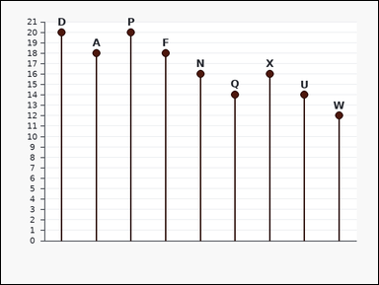 | 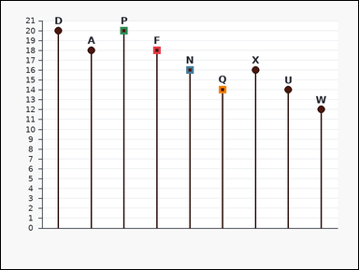 | task_charts_trend_structure_value | longest_decreasing_streak | Look at the chart in the image. It shows an ordered labeled lollipop chart with points arranged from left to right. Each label marks one plotted point, and the relevant values are the points' y-values on the vertical axis. Use the displayed label order for any local or streak-based reasoning. Determine the requested trend-structure value. Compute the length of the longest strictly decreasing run of consecutive labels. Return a valid JSON object with keys "evidence" and "answer" in that order. Evidence requirement: set "evidence" to an array containing all labels in the unique longest strictly decreasing streak. Answer format: set "answer" to the requested count or streak length as an integer. Example JSON: {"evidence":["A","C","F"],"answer":3} | Look at the chart in the image. It shows an ordered labeled lollipop chart with points arranged from left to right. Each label marks one plotted point, and the relevant values are the points' y-values on the vertical axis. Use the displayed label order for any local or streak-based reasoning. Determine the requested trend-structure value. Compute the length of the longest strictly decreasing run of consecutive labels. Return a valid JSON object with key "answer". Answer field: set "answer" to the requested count or streak length as an integer. Example JSON: {"answer":3} | {"evidence": ["F", "N", "P", "Q"], "answer": 4} | ["F", "N", "P", "Q"] | integer | label_set | 8.6321714178E+15 | charts/task_charts_trend_structure_value/images/longest_decreasing_streak/0006.png | charts/task_charts_trend_structure_value/data/longest_decreasing_streak/0006.json

longest_increasing_streak
image | evidence_image | task | task_variant | prompt | prompt_answer_only | answer | answer_evidence | answer_type | evidence_type | instance_seed | image_path | data_path
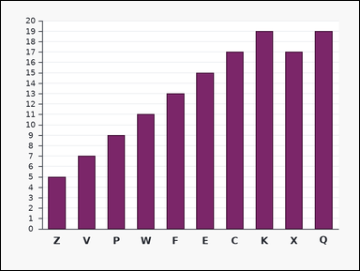 | 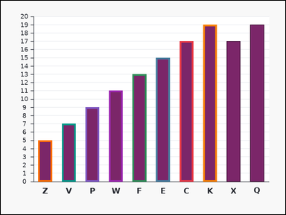 | task_charts_trend_structure_value | longest_increasing_streak | Use the chart in the image. It shows an ordered labeled bar chart with bars arranged from left to right. Each bar's numeric height can be read from the vertical axis. Read the labels in their displayed order. Determine the requested trend-structure value. What is the length of the longest strictly increasing streak of consecutive labels in displayed order? Count labels in the streak. Return a valid JSON object with keys "evidence" and "answer" in that order. Evidence field: set "evidence" to an array containing all labels in the unique longest strictly increasing streak. Answer field: set "answer" to the requested count or streak length as an integer. Example JSON: {"evidence":["B","M","Q","T"],"answer":4} | Use the chart in the image. It shows an ordered labeled bar chart with bars arranged from left to right. Each bar's numeric height can be read from the vertical axis. Read the labels in their displayed order. Determine the requested trend-structure value. What is the length of the longest strictly increasing streak of consecutive labels in displayed order? Count labels in the streak. Return a valid JSON object with key "answer". Answer rule: set "answer" to the requested count or streak length as an integer. Example JSON: {"answer":4} | {"evidence": ["C", "E", "F", "K", "P", "V", "W", "Z"], "answer": 8} | ["C", "E", "F", "K", "P", "V", "W", "Z"] | integer | label_set | 58295651133048 | charts/task_charts_trend_structure_value/images/longest_increasing_streak/0015.png | charts/task_charts_trend_structure_value/data/longest_increasing_streak/0015.json
 |  | task_charts_trend_structure_value | longest_increasing_streak | Work from the ordered chart shown in the image: an ordered labeled dot plot with points arranged from left to right. Each label marks one plotted point, and the relevant values are the points' y-values on the vertical axis. Treat consecutive labels in displayed order as adjacent. Answer this question. How many labels are in the longest strictly increasing streak in displayed order? Return a valid JSON object with keys "evidence" and "answer" in that order. Evidence: set "evidence" to an array containing all labels in the unique longest strictly increasing streak. Answer: set "answer" to the requested count or streak length as an integer. Example JSON: {"evidence":["B","M","Q","T"],"answer":4} | Work from the ordered chart shown in the image: an ordered labeled dot plot with points arranged from left to right. Each label marks one plotted point, and the relevant values are the points' y-values on the vertical axis. Treat consecutive labels in displayed order as adjacent. Answer this question. How many labels are in the longest strictly increasing streak in displayed order? Return a valid JSON object with key "answer". Answer rule: set "answer" to the requested count or streak length as an integer. Example JSON: {"answer":4} | {"evidence": ["C", "K", "Q", "T", "Y"], "answer": 5} | ["C", "K", "Q", "T", "Y"] | integer | label_set | 75408453469860 | charts/task_charts_trend_structure_value/images/longest_increasing_streak/0011.png | charts/task_charts_trend_structure_value/data/longest_increasing_streak/0011.json
 |  | task_charts_trend_structure_value | longest_increasing_streak | Use the chart in the image. It shows an ordered labeled lollipop chart with points arranged from left to right. Each label marks one plotted point, and the relevant values are the points' y-values on the vertical axis. Read the labels in their displayed order. Use the chart's displayed order to answer the question. Determine the length of the longest streak where each consecutive label increases in value. Count labels, not gaps. Return a valid JSON object with keys "evidence" and "answer" in that order. Evidence field: set "evidence" to an array containing all labels in the unique longest strictly increasing streak. Answer field: set "answer" to the requested count or streak length as an integer. Example JSON: {"evidence":["B","M","Q","T"],"answer":4} | Use the chart in the image. It shows an ordered labeled lollipop chart with points arranged from left to right. Each label marks one plotted point, and the relevant values are the points' y-values on the vertical axis. Read the labels in their displayed order. Use the chart's displayed order to answer the question. Determine the length of the longest streak where each consecutive label increases in value. Count labels, not gaps. Return a valid JSON object with key "answer". Answer requirement: set "answer" to the requested count or streak length as an integer. Example JSON: {"answer":4} | {"evidence": ["A", "H", "J", "N", "P", "R"], "answer": 6} | ["A", "H", "J", "N", "P", "R"] | integer | label_set | 768659927612600 | charts/task_charts_trend_structure_value/images/longest_increasing_streak/0023.png | charts/task_charts_trend_structure_value/data/longest_increasing_streak/0023.json
 |  | task_charts_trend_structure_value | longest_increasing_streak | Use the chart in the image. It shows an ordered labeled line chart with visible point markers from left to right. Each label marks one plotted point, and the relevant values are the points' y-values on the vertical axis. Read the labels in their displayed order. Use the ordered chart values to answer the question. Determine the length of the longest streak where each consecutive label increases in value. Count labels, not gaps. Return a valid JSON object with keys "evidence" and "answer" in that order. Evidence field: set "evidence" to an array containing all labels in the unique longest strictly increasing streak. Answer field: set "answer" to the requested count or streak length as an integer. Example JSON: {"evidence":["B","M","Q","T"],"answer":4} | Use the chart in the image. It shows an ordered labeled line chart with visible point markers from left to right. Each label marks one plotted point, and the relevant values are the points' y-values on the vertical axis. Read the labels in their displayed order. Use the ordered chart values to answer the question. Determine the length of the longest streak where each consecutive label increases in value. Count labels, not gaps. Return a valid JSON object with key "answer". Answer requirement: set "answer" to the requested count or streak length as an integer. Example JSON: {"answer":4} | {"evidence": ["B", "H", "L", "P", "Q", "S", "V"], "answer": 7} | ["B", "H", "L", "P", "Q", "S", "V"] | integer | label_set | 789215776303418 | charts/task_charts_trend_structure_value/images/longest_increasing_streak/0009.png | charts/task_charts_trend_structure_value/data/longest_increasing_streak/0009.json
 |  | task_charts_trend_structure_value | longest_increasing_streak | Use the chart in the image. It shows an ordered labeled area chart with visible point markers from left to right. Each label marks one plotted point, and the relevant values are the points' y-values on the vertical axis. Read the labels in their displayed order. Use the ordered chart values to answer the question. What is the length of the longest strictly increasing streak of consecutive labels in displayed order? Count labels in the streak. Return a valid JSON object with keys "evidence" and "answer" in that order. Evidence format: set "evidence" to an array containing all labels in the unique longest strictly increasing streak. Answer requirement: set "answer" to the requested count or streak length as an integer. Example JSON: {"evidence":["B","M","Q","T"],"answer":4} | Use the chart in the image. It shows an ordered labeled area chart with visible point markers from left to right. Each label marks one plotted point, and the relevant values are the points' y-values on the vertical axis. Read the labels in their displayed order. Use the ordered chart values to answer the question. What is the length of the longest strictly increasing streak of consecutive labels in displayed order? Count labels in the streak. Return a valid JSON object with key "answer". Answer: set "answer" to the requested count or streak length as an integer. Example JSON: {"answer":4} | {"evidence": ["A", "B", "E", "F", "J", "Q", "X", "Y"], "answer": 8} | ["A", "B", "E", "F", "J", "Q", "X", "Y"] | integer | label_set | 982089668430437 | charts/task_charts_trend_structure_value/images/longest_increasing_streak/0002.png | charts/task_charts_trend_structure_value/data/longest_increasing_streak/0002.json
 |  | task_charts_trend_structure_value | longest_increasing_streak | Look at the chart in the image. It shows an ordered labeled bar chart with bars arranged from left to right. Each bar's numeric height can be read from the vertical axis. Use the displayed label order for any local or streak-based reasoning. Read the chart order carefully and compute the requested trend value. Find the number of labels in the longest strictly increasing consecutive streak. Return a valid JSON object with keys "evidence" and "answer" in that order. Evidence rule: set "evidence" to an array containing all labels in the unique longest strictly increasing streak. Answer rule: set "answer" to the requested count or streak length as an integer. Example JSON: {"evidence":["B","M","Q","T"],"answer":4} | Look at the chart in the image. It shows an ordered labeled bar chart with bars arranged from left to right. Each bar's numeric height can be read from the vertical axis. Use the displayed label order for any local or streak-based reasoning. Read the chart order carefully and compute the requested trend value. Find the number of labels in the longest strictly increasing consecutive streak. Return a valid JSON object with key "answer". Answer requirement: set "answer" to the requested count or streak length as an integer. Example JSON: {"answer":4} | {"evidence": ["A", "E", "W"], "answer": 3} | ["A", "E", "W"] | integer | label_set | 1.1925631734E+15 | charts/task_charts_trend_structure_value/images/longest_increasing_streak/0005.png | charts/task_charts_trend_structure_value/data/longest_increasing_streak/0005.json
 |  | task_charts_trend_structure_value | longest_increasing_streak | Work from the ordered chart shown in the image: an ordered labeled horizontal bar chart with bars arranged from top to bottom. Each bar's numeric length can be read from the horizontal axis. Treat consecutive labels in displayed order as adjacent. Determine the requested trend-structure value. Compute the length of the longest strictly increasing run of consecutive labels. Return a valid JSON object with keys "evidence" and "answer" in that order. Evidence field: set "evidence" to an array containing all labels in the unique longest strictly increasing streak. Answer field: set "answer" to the requested count or streak length as an integer. Example JSON: {"evidence":["B","M","Q","T"],"answer":4} | Work from the ordered chart shown in the image: an ordered labeled horizontal bar chart with bars arranged from top to bottom. Each bar's numeric length can be read from the horizontal axis. Treat consecutive labels in displayed order as adjacent. Determine the requested trend-structure value. Compute the length of the longest strictly increasing run of consecutive labels. Return a valid JSON object with key "answer". Answer format: set "answer" to the requested count or streak length as an integer. Example JSON: {"answer":4} | {"evidence": ["A", "C", "D", "J", "K", "Q", "S", "W", "Y", "Z"], "answer": 10} | ["A", "C", "D", "J", "K", "Q", "S", "W", "Y", "Z"] | integer | label_set | 1.2888365576E+15 | charts/task_charts_trend_structure_value/images/longest_increasing_streak/0016.png | charts/task_charts_trend_structure_value/data/longest_increasing_streak/0016.json
 |  | task_charts_trend_structure_value | longest_increasing_streak | Use the chart in the image. It shows an ordered labeled area chart with visible point markers from left to right. Each label marks one plotted point, and the relevant values are the points' y-values on the vertical axis. Read the labels in their displayed order. Use the chart's displayed order to answer the question. Compute the length of the longest strictly increasing run of consecutive labels. Return a valid JSON object with keys "evidence" and "answer" in that order. Evidence: set "evidence" to an array containing all labels in the unique longest strictly increasing streak. Answer: set "answer" to the requested count or streak length as an integer. Example JSON: {"evidence":["B","M","Q","T"],"answer":4} | Use the chart in the image. It shows an ordered labeled area chart with visible point markers from left to right. Each label marks one plotted point, and the relevant values are the points' y-values on the vertical axis. Read the labels in their displayed order. Use the chart's displayed order to answer the question. Compute the length of the longest strictly increasing run of consecutive labels. Return a valid JSON object with key "answer". Answer requirement: set "answer" to the requested count or streak length as an integer. Example JSON: {"answer":4} | {"evidence": ["D", "F", "M", "Q", "R", "S", "T", "W"], "answer": 8} | ["D", "F", "M", "Q", "R", "S", "T", "W"] | integer | label_set | 1.3758735749E+15 | charts/task_charts_trend_structure_value/images/longest_increasing_streak/0024.png | charts/task_charts_trend_structure_value/data/longest_increasing_streak/0024.json
 |  | task_charts_trend_structure_value | longest_increasing_streak | The image shows an ordered labeled lollipop chart with points arranged from left to right. Each label marks one plotted point, and the relevant values are the points' y-values on the vertical axis. Use the chart's displayed order when reasoning about peaks, troughs, and streaks. Use the ordered chart values to answer the question. What is the length of the longest strictly increasing streak of consecutive labels in displayed order? Count labels in the streak. Return a valid JSON object with keys "evidence" and "answer" in that order. Evidence field: set "evidence" to an array containing all labels in the unique longest strictly increasing streak. Answer field: set "answer" to the requested count or streak length as an integer. Example JSON: {"evidence":["B","M","Q","T"],"answer":4} | The image shows an ordered labeled lollipop chart with points arranged from left to right. Each label marks one plotted point, and the relevant values are the points' y-values on the vertical axis. Use the chart's displayed order when reasoning about peaks, troughs, and streaks. Use the ordered chart values to answer the question. What is the length of the longest strictly increasing streak of consecutive labels in displayed order? Count labels in the streak. Return a valid JSON object with key "answer". Answer rule: set "answer" to the requested count or streak length as an integer. Example JSON: {"answer":4} | {"evidence": ["J", "X"], "answer": 2} | ["J", "X"] | integer | label_set | 1.4353148489E+15 | charts/task_charts_trend_structure_value/images/longest_increasing_streak/0012.png | charts/task_charts_trend_structure_value/data/longest_increasing_streak/0012.json
 |  | task_charts_trend_structure_value | longest_increasing_streak | The image shows an ordered labeled bar chart with bars arranged from left to right. Each bar's numeric height can be read from the vertical axis. Use the chart's displayed order when reasoning about peaks, troughs, and streaks. Read the chart order carefully and compute the requested trend value. What is the length of the longest strictly increasing streak of consecutive labels in displayed order? Count labels in the streak. Return a valid JSON object with keys "evidence" and "answer" in that order. Evidence: set "evidence" to an array containing all labels in the unique longest strictly increasing streak. Answer: set "answer" to the requested count or streak length as an integer. Example JSON: {"evidence":["B","M","Q","T"],"answer":4} | The image shows an ordered labeled bar chart with bars arranged from left to right. Each bar's numeric height can be read from the vertical axis. Use the chart's displayed order when reasoning about peaks, troughs, and streaks. Read the chart order carefully and compute the requested trend value. What is the length of the longest strictly increasing streak of consecutive labels in displayed order? Count labels in the streak. Return a valid JSON object with key "answer". Answer requirement: set "answer" to the requested count or streak length as an integer. Example JSON: {"answer":4} | {"evidence": ["D", "H", "J", "M", "Z"], "answer": 5} | ["D", "H", "J", "M", "Z"] | integer | label_set | 1.5433754652E+15 | charts/task_charts_trend_structure_value/images/longest_increasing_streak/0020.png | charts/task_charts_trend_structure_value/data/longest_increasing_streak/0020.json
 |  | task_charts_trend_structure_value | longest_increasing_streak | Use the chart in the image. It shows an ordered labeled dot plot with points arranged from left to right. Each label marks one plotted point, and the relevant values are the points' y-values on the vertical axis. Read the labels in their displayed order. Use the chart's displayed order to answer the question. How many labels are in the longest strictly increasing streak in displayed order? Return a valid JSON object with keys "evidence" and "answer" in that order. Evidence rule: set "evidence" to an array containing all labels in the unique longest strictly increasing streak. Answer rule: set "answer" to the requested count or streak length as an integer. Example JSON: {"evidence":["B","M","Q","T"],"answer":4} | Use the chart in the image. It shows an ordered labeled dot plot with points arranged from left to right. Each label marks one plotted point, and the relevant values are the points' y-values on the vertical axis. Read the labels in their displayed order. Use the chart's displayed order to answer the question. How many labels are in the longest strictly increasing streak in displayed order? Return a valid JSON object with key "answer". Answer rule: set "answer" to the requested count or streak length as an integer. Example JSON: {"answer":4} | {"evidence": ["D", "H", "L", "U", "V"], "answer": 5} | ["D", "H", "L", "U", "V"] | integer | label_set | 1.8623233363E+15 | charts/task_charts_trend_structure_value/images/longest_increasing_streak/0014.png | charts/task_charts_trend_structure_value/data/longest_increasing_streak/0014.json
 |  | task_charts_trend_structure_value | longest_increasing_streak | You are given an ordered chart: an ordered labeled lollipop chart with points arranged from left to right. Each label marks one plotted point, and the relevant values are the points' y-values on the vertical axis. Reason over the labels in the order they appear in the chart. Use the chart's displayed order to answer the question. Determine the length of the longest streak where each consecutive label increases in value. Count labels, not gaps. Return a valid JSON object with keys "evidence" and "answer" in that order. Evidence rule: set "evidence" to an array containing all labels in the unique longest strictly increasing streak. Answer rule: set "answer" to the requested count or streak length as an integer. Example JSON: {"evidence":["B","M","Q","T"],"answer":4} | You are given an ordered chart: an ordered labeled lollipop chart with points arranged from left to right. Each label marks one plotted point, and the relevant values are the points' y-values on the vertical axis. Reason over the labels in the order they appear in the chart. Use the chart's displayed order to answer the question. Determine the length of the longest streak where each consecutive label increases in value. Count labels, not gaps. Return a valid JSON object with key "answer". Answer: set "answer" to the requested count or streak length as an integer. Example JSON: {"answer":4} | {"evidence": ["F", "Q"], "answer": 2} | ["F", "Q"] | integer | label_set | 1.9031088945E+15 | charts/task_charts_trend_structure_value/images/longest_increasing_streak/0010.png | charts/task_charts_trend_structure_value/data/longest_increasing_streak/0010.json
 |  | task_charts_trend_structure_value | longest_increasing_streak | Look at the chart in the image. It shows an ordered labeled dot plot with points arranged from left to right. Each label marks one plotted point, and the relevant values are the points' y-values on the vertical axis. Use the displayed label order for any local or streak-based reasoning. Determine the requested trend-structure value. What is the length of the longest strictly increasing streak of consecutive labels in displayed order? Count labels in the streak. Return a valid JSON object with keys "evidence" and "answer" in that order. Evidence requirement: set "evidence" to an array containing all labels in the unique longest strictly increasing streak. Answer format: set "answer" to the requested count or streak length as an integer. Example JSON: {"evidence":["B","M","Q","T"],"answer":4} | Look at the chart in the image. It shows an ordered labeled dot plot with points arranged from left to right. Each label marks one plotted point, and the relevant values are the points' y-values on the vertical axis. Use the displayed label order for any local or streak-based reasoning. Determine the requested trend-structure value. What is the length of the longest strictly increasing streak of consecutive labels in displayed order? Count labels in the streak. Return a valid JSON object with key "answer". Answer field: set "answer" to the requested count or streak length as an integer. Example JSON: {"answer":4} | {"evidence": ["A", "F", "H", "J", "K", "P", "Q", "S", "X", "Y"], "answer": 10} | ["A", "F", "H", "J", "K", "P", "Q", "S", "X", "Y"] | integer | label_set | 2.5483476062E+15 | charts/task_charts_trend_structure_value/images/longest_increasing_streak/0006.png | charts/task_charts_trend_structure_value/data/longest_increasing_streak/0006.json
 |  | task_charts_trend_structure_value | longest_increasing_streak | The image shows an ordered labeled lollipop chart with points arranged from left to right. Each label marks one plotted point, and the relevant values are the points' y-values on the vertical axis. Use the chart's displayed order when reasoning about peaks, troughs, and streaks. Read the chart order carefully and compute the requested trend value. Determine the length of the longest streak where each consecutive label increases in value. Count labels, not gaps. Return a valid JSON object with keys "evidence" and "answer" in that order. Evidence rule: set "evidence" to an array containing all labels in the unique longest strictly increasing streak. Answer rule: set "answer" to the requested count or streak length as an integer. Example JSON: {"evidence":["B","M","Q","T"],"answer":4} | The image shows an ordered labeled lollipop chart with points arranged from left to right. Each label marks one plotted point, and the relevant values are the points' y-values on the vertical axis. Use the chart's displayed order when reasoning about peaks, troughs, and streaks. Read the chart order carefully and compute the requested trend value. Determine the length of the longest streak where each consecutive label increases in value. Count labels, not gaps. Return a valid JSON object with key "answer". Answer: set "answer" to the requested count or streak length as an integer. Example JSON: {"answer":4} | {"evidence": ["B", "H"], "answer": 2} | ["B", "H"] | integer | label_set | 3.0867307055E+15 | charts/task_charts_trend_structure_value/images/longest_increasing_streak/0021.png | charts/task_charts_trend_structure_value/data/longest_increasing_streak/0021.json
 |  | task_charts_trend_structure_value | longest_increasing_streak | The image shows an ordered labeled line chart with visible point markers from left to right. Each label marks one plotted point, and the relevant values are the points' y-values on the vertical axis. Use the chart's displayed order when reasoning about peaks, troughs, and streaks. Determine the requested trend-structure value. Determine the length of the longest streak where each consecutive label increases in value. Count labels, not gaps. Return a valid JSON object with keys "evidence" and "answer" in that order. Evidence field: set "evidence" to an array containing all labels in the unique longest strictly increasing streak. Answer field: set "answer" to the requested count or streak length as an integer. Example JSON: {"evidence":["B","M","Q","T"],"answer":4} | The image shows an ordered labeled line chart with visible point markers from left to right. Each label marks one plotted point, and the relevant values are the points' y-values on the vertical axis. Use the chart's displayed order when reasoning about peaks, troughs, and streaks. Determine the requested trend-structure value. Determine the length of the longest streak where each consecutive label increases in value. Count labels, not gaps. Return a valid JSON object with key "answer". Answer: set "answer" to the requested count or streak length as an integer. Example JSON: {"answer":4} | {"evidence": ["R", "W", "X"], "answer": 3} | ["R", "W", "X"] | integer | label_set | 3.2441879645E+15 | charts/task_charts_trend_structure_value/images/longest_increasing_streak/0019.png | charts/task_charts_trend_structure_value/data/longest_increasing_streak/0019.json
 |  | task_charts_trend_structure_value | longest_increasing_streak | Look at the chart in the image. It shows an ordered labeled horizontal bar chart with bars arranged from top to bottom. Each bar's numeric length can be read from the horizontal axis. Use the displayed label order for any local or streak-based reasoning. Use the ordered chart values to answer the question. Compute the length of the longest strictly increasing run of consecutive labels. Return a valid JSON object with keys "evidence" and "answer" in that order. Evidence field: set "evidence" to an array containing all labels in the unique longest strictly increasing streak. Answer field: set "answer" to the requested count or streak length as an integer. Example JSON: {"evidence":["B","M","Q","T"],"answer":4} | Look at the chart in the image. It shows an ordered labeled horizontal bar chart with bars arranged from top to bottom. Each bar's numeric length can be read from the horizontal axis. Use the displayed label order for any local or streak-based reasoning. Use the ordered chart values to answer the question. Compute the length of the longest strictly increasing run of consecutive labels. Return a valid JSON object with key "answer". Answer: set "answer" to the requested count or streak length as an integer. Example JSON: {"answer":4} | {"evidence": ["D", "F", "H", "N", "Q"], "answer": 5} | ["D", "F", "H", "N", "Q"] | integer | label_set | 3.2877503776E+15 | charts/task_charts_trend_structure_value/images/longest_increasing_streak/0001.png | charts/task_charts_trend_structure_value/data/longest_increasing_streak/0001.json
 |  | task_charts_trend_structure_value | longest_increasing_streak | Work from the ordered chart shown in the image: an ordered labeled bar chart with bars arranged from left to right. Each bar's numeric height can be read from the vertical axis. Treat consecutive labels in displayed order as adjacent. Use the ordered chart values to answer the question. Determine the length of the longest streak where each consecutive label increases in value. Count labels, not gaps. Return a valid JSON object with keys "evidence" and "answer" in that order. Evidence format: set "evidence" to an array containing all labels in the unique longest strictly increasing streak. Answer requirement: set "answer" to the requested count or streak length as an integer. Example JSON: {"evidence":["B","M","Q","T"],"answer":4} | Work from the ordered chart shown in the image: an ordered labeled bar chart with bars arranged from left to right. Each bar's numeric height can be read from the vertical axis. Treat consecutive labels in displayed order as adjacent. Use the ordered chart values to answer the question. Determine the length of the longest streak where each consecutive label increases in value. Count labels, not gaps. Return a valid JSON object with key "answer". Answer: set "answer" to the requested count or streak length as an integer. Example JSON: {"answer":4} | {"evidence": ["G", "J", "N", "R", "Z"], "answer": 5} | ["G", "J", "N", "R", "Z"] | integer | label_set | 3.4281116561E+15 | charts/task_charts_trend_structure_value/images/longest_increasing_streak/0013.png | charts/task_charts_trend_structure_value/data/longest_increasing_streak/0013.json
 |  | task_charts_trend_structure_value | longest_increasing_streak | Use the chart in the image. It shows an ordered labeled bar chart with bars arranged from left to right. Each bar's numeric height can be read from the vertical axis. Read the labels in their displayed order. Determine the requested trend-structure value. Determine the length of the longest streak where each consecutive label increases in value. Count labels, not gaps. Return a valid JSON object with keys "evidence" and "answer" in that order. Evidence rule: set "evidence" to an array containing all labels in the unique longest strictly increasing streak. Answer rule: set "answer" to the requested count or streak length as an integer. Example JSON: {"evidence":["B","M","Q","T"],"answer":4} | Use the chart in the image. It shows an ordered labeled bar chart with bars arranged from left to right. Each bar's numeric height can be read from the vertical axis. Read the labels in their displayed order. Determine the requested trend-structure value. Determine the length of the longest streak where each consecutive label increases in value. Count labels, not gaps. Return a valid JSON object with key "answer". Answer rule: set "answer" to the requested count or streak length as an integer. Example JSON: {"answer":4} | {"evidence": ["A", "E", "G", "M"], "answer": 4} | ["A", "E", "G", "M"] | integer | label_set | 3.6964400102E+15 | charts/task_charts_trend_structure_value/images/longest_increasing_streak/0022.png | charts/task_charts_trend_structure_value/data/longest_increasing_streak/0022.json
 |  | task_charts_trend_structure_value | longest_increasing_streak | Work from the ordered chart shown in the image: an ordered labeled bar chart with bars arranged from left to right. Each bar's numeric height can be read from the vertical axis. Treat consecutive labels in displayed order as adjacent. Use the ordered chart values to answer the question. Determine the length of the longest streak where each consecutive label increases in value. Count labels, not gaps. Return a valid JSON object with keys "evidence" and "answer" in that order. Evidence field: set "evidence" to an array containing all labels in the unique longest strictly increasing streak. Answer field: set "answer" to the requested count or streak length as an integer. Example JSON: {"evidence":["B","M","Q","T"],"answer":4} | Work from the ordered chart shown in the image: an ordered labeled bar chart with bars arranged from left to right. Each bar's numeric height can be read from the vertical axis. Treat consecutive labels in displayed order as adjacent. Use the ordered chart values to answer the question. Determine the length of the longest streak where each consecutive label increases in value. Count labels, not gaps. Return a valid JSON object with key "answer". Answer: set "answer" to the requested count or streak length as an integer. Example JSON: {"answer":4} | {"evidence": ["E", "K", "N", "P", "T", "U", "W", "Z"], "answer": 8} | ["E", "K", "N", "P", "T", "U", "W", "Z"] | integer | label_set | 3.9788180732E+15 | charts/task_charts_trend_structure_value/images/longest_increasing_streak/0007.png | charts/task_charts_trend_structure_value/data/longest_increasing_streak/0007.json
 |  | task_charts_trend_structure_value | longest_increasing_streak | The image shows an ordered labeled bar chart with bars arranged from left to right. Each bar's numeric height can be read from the vertical axis. Use the chart's displayed order when reasoning about peaks, troughs, and streaks. Answer this question. Determine the length of the longest streak where each consecutive label increases in value. Count labels, not gaps. Return a valid JSON object with keys "evidence" and "answer" in that order. Evidence: set "evidence" to an array containing all labels in the unique longest strictly increasing streak. Answer: set "answer" to the requested count or streak length as an integer. Example JSON: {"evidence":["B","M","Q","T"],"answer":4} | The image shows an ordered labeled bar chart with bars arranged from left to right. Each bar's numeric height can be read from the vertical axis. Use the chart's displayed order when reasoning about peaks, troughs, and streaks. Answer this question. Determine the length of the longest streak where each consecutive label increases in value. Count labels, not gaps. Return a valid JSON object with key "answer". Answer rule: set "answer" to the requested count or streak length as an integer. Example JSON: {"answer":4} | {"evidence": ["B", "D", "H", "N", "P", "Q", "V", "W"], "answer": 8} | ["B", "D", "H", "N", "P", "Q", "V", "W"] | integer | label_set | 6.2733508713E+15 | charts/task_charts_trend_structure_value/images/longest_increasing_streak/0000.png | charts/task_charts_trend_structure_value/data/longest_increasing_streak/0000.json
 |  | task_charts_trend_structure_value | longest_increasing_streak | You are given an ordered chart: an ordered labeled area chart with visible point markers from left to right. Each label marks one plotted point, and the relevant values are the points' y-values on the vertical axis. Reason over the labels in the order they appear in the chart. Answer this question. Compute the length of the longest strictly increasing run of consecutive labels. Return a valid JSON object with keys "evidence" and "answer" in that order. Evidence rule: set "evidence" to an array containing all labels in the unique longest strictly increasing streak. Answer rule: set "answer" to the requested count or streak length as an integer. Example JSON: {"evidence":["B","M","Q","T"],"answer":4} | You are given an ordered chart: an ordered labeled area chart with visible point markers from left to right. Each label marks one plotted point, and the relevant values are the points' y-values on the vertical axis. Reason over the labels in the order they appear in the chart. Answer this question. Compute the length of the longest strictly increasing run of consecutive labels. Return a valid JSON object with key "answer". Answer rule: set "answer" to the requested count or streak length as an integer. Example JSON: {"answer":4} | {"evidence": ["A", "H", "L", "Q", "U", "Z"], "answer": 6} | ["A", "H", "L", "Q", "U", "Z"] | integer | label_set | 6.7617518894E+15 | charts/task_charts_trend_structure_value/images/longest_increasing_streak/0017.png | charts/task_charts_trend_structure_value/data/longest_increasing_streak/0017.json
 |  | task_charts_trend_structure_value | longest_increasing_streak | Look at the chart in the image. It shows an ordered labeled bar chart with bars arranged from left to right. Each bar's numeric height can be read from the vertical axis. Use the displayed label order for any local or streak-based reasoning. Determine the requested trend-structure value. How many labels are in the longest strictly increasing streak in displayed order? Return a valid JSON object with keys "evidence" and "answer" in that order. Evidence requirement: set "evidence" to an array containing all labels in the unique longest strictly increasing streak. Answer format: set "answer" to the requested count or streak length as an integer. Example JSON: {"evidence":["B","M","Q","T"],"answer":4} | Look at the chart in the image. It shows an ordered labeled bar chart with bars arranged from left to right. Each bar's numeric height can be read from the vertical axis. Use the displayed label order for any local or streak-based reasoning. Determine the requested trend-structure value. How many labels are in the longest strictly increasing streak in displayed order? Return a valid JSON object with key "answer". Answer requirement: set "answer" to the requested count or streak length as an integer. Example JSON: {"answer":4} | {"evidence": ["J", "N", "X", "Y"], "answer": 4} | ["J", "N", "X", "Y"] | integer | label_set | 7.035916558E+15 | charts/task_charts_trend_structure_value/images/longest_increasing_streak/0004.png | charts/task_charts_trend_structure_value/data/longest_increasing_streak/0004.json
 |  | task_charts_trend_structure_value | longest_increasing_streak | The image shows an ordered labeled lollipop chart with points arranged from left to right. Each label marks one plotted point, and the relevant values are the points' y-values on the vertical axis. Use the chart's displayed order when reasoning about peaks, troughs, and streaks. Answer this question. How many labels are in the longest strictly increasing streak in displayed order? Return a valid JSON object with keys "evidence" and "answer" in that order. Evidence format: set "evidence" to an array containing all labels in the unique longest strictly increasing streak. Answer requirement: set "answer" to the requested count or streak length as an integer. Example JSON: {"evidence":["B","M","Q","T"],"answer":4} | The image shows an ordered labeled lollipop chart with points arranged from left to right. Each label marks one plotted point, and the relevant values are the points' y-values on the vertical axis. Use the chart's displayed order when reasoning about peaks, troughs, and streaks. Answer this question. How many labels are in the longest strictly increasing streak in displayed order? Return a valid JSON object with key "answer". Answer: set "answer" to the requested count or streak length as an integer. Example JSON: {"answer":4} | {"evidence": ["F", "G", "Q", "R", "S", "V", "W"], "answer": 7} | ["F", "G", "Q", "R", "S", "V", "W"] | integer | label_set | 8.283500097E+15 | charts/task_charts_trend_structure_value/images/longest_increasing_streak/0003.png | charts/task_charts_trend_structure_value/data/longest_increasing_streak/0003.json
 |  | task_charts_trend_structure_value | longest_increasing_streak | Work from the ordered chart shown in the image: an ordered labeled dot plot with points arranged from left to right. Each label marks one plotted point, and the relevant values are the points' y-values on the vertical axis. Treat consecutive labels in displayed order as adjacent. Answer this question. Determine the length of the longest streak where each consecutive label increases in value. Count labels, not gaps. Return a valid JSON object with keys "evidence" and "answer" in that order. Evidence field: set "evidence" to an array containing all labels in the unique longest strictly increasing streak. Answer field: set "answer" to the requested count or streak length as an integer. Example JSON: {"evidence":["B","M","Q","T"],"answer":4} | Work from the ordered chart shown in the image: an ordered labeled dot plot with points arranged from left to right. Each label marks one plotted point, and the relevant values are the points' y-values on the vertical axis. Treat consecutive labels in displayed order as adjacent. Answer this question. Determine the length of the longest streak where each consecutive label increases in value. Count labels, not gaps. Return a valid JSON object with key "answer". Answer field: set "answer" to the requested count or streak length as an integer. Example JSON: {"answer":4} | {"evidence": ["F", "H", "K", "L", "N", "R", "V"], "answer": 7} | ["F", "H", "K", "L", "N", "R", "V"] | integer | label_set | 8.3479885572E+15 | charts/task_charts_trend_structure_value/images/longest_increasing_streak/0008.png | charts/task_charts_trend_structure_value/data/longest_increasing_streak/0008.json
 |  | task_charts_trend_structure_value | longest_increasing_streak | Look at the chart in the image. It shows an ordered labeled lollipop chart with points arranged from left to right. Each label marks one plotted point, and the relevant values are the points' y-values on the vertical axis. Use the displayed label order for any local or streak-based reasoning. Read the chart order carefully and compute the requested trend value. Determine the length of the longest streak where each consecutive label increases in value. Count labels, not gaps. Return a valid JSON object with keys "evidence" and "answer" in that order. Evidence rule: set "evidence" to an array containing all labels in the unique longest strictly increasing streak. Answer rule: set "answer" to the requested count or streak length as an integer. Example JSON: {"evidence":["B","M","Q","T"],"answer":4} | Look at the chart in the image. It shows an ordered labeled lollipop chart with points arranged from left to right. Each label marks one plotted point, and the relevant values are the points' y-values on the vertical axis. Use the displayed label order for any local or streak-based reasoning. Read the chart order carefully and compute the requested trend value. Determine the length of the longest streak where each consecutive label increases in value. Count labels, not gaps. Return a valid JSON object with key "answer". Answer rule: set "answer" to the requested count or streak length as an integer. Example JSON: {"answer":4} | {"evidence": ["A", "H", "K", "R", "S", "U", "W", "Y", "Z"], "answer": 9} | ["A", "H", "K", "R", "S", "U", "W", "Y", "Z"] | integer | label_set | 8.8259079811E+15 | charts/task_charts_trend_structure_value/images/longest_increasing_streak/0018.png | charts/task_charts_trend_structure_value/data/longest_increasing_streak/0018.json

peak_count
image | evidence_image | task | task_variant | prompt | prompt_answer_only | answer | answer_evidence | answer_type | evidence_type | instance_seed | image_path | data_path
 |  | task_charts_trend_structure_value | peak_count | You are given an ordered chart: an ordered labeled bar chart with bars arranged from left to right. Each bar's numeric height can be read from the vertical axis. Reason over the labels in the order they appear in the chart. Read the chart order carefully and compute the requested trend value. Find how many local peaks the ordered chart contains. Return a valid JSON object with keys "evidence" and "answer" in that order. Evidence field: set "evidence" to an array containing the labels of all local peaks. Answer field: set "answer" to the requested count or streak length as an integer. Example JSON: {"evidence":["C","Q"],"answer":2} | You are given an ordered chart: an ordered labeled bar chart with bars arranged from left to right. Each bar's numeric height can be read from the vertical axis. Reason over the labels in the order they appear in the chart. Read the chart order carefully and compute the requested trend value. Find how many local peaks the ordered chart contains. Return a valid JSON object with key "answer". Answer rule: set "answer" to the requested count or streak length as an integer. Example JSON: {"answer":2} | {"evidence": ["H", "L", "Z"], "answer": 3} | ["H", "L", "Z"] | integer | label_set | 75091027092610 | charts/task_charts_trend_structure_value/images/peak_count/0009.png | charts/task_charts_trend_structure_value/data/peak_count/0009.json
 |  | task_charts_trend_structure_value | peak_count | The image shows an ordered labeled horizontal bar chart with bars arranged from top to bottom. Each bar's numeric length can be read from the horizontal axis. Use the chart's displayed order when reasoning about peaks, troughs, and streaks. Answer this question. Find how many local peaks the ordered chart contains. Return a valid JSON object with keys "evidence" and "answer" in that order. Evidence requirement: set "evidence" to an array containing the labels of all local peaks. Answer format: set "answer" to the requested count or streak length as an integer. Example JSON: {"evidence":["C","Q"],"answer":2} | The image shows an ordered labeled horizontal bar chart with bars arranged from top to bottom. Each bar's numeric length can be read from the horizontal axis. Use the chart's displayed order when reasoning about peaks, troughs, and streaks. Answer this question. Find how many local peaks the ordered chart contains. Return a valid JSON object with key "answer". Answer field: set "answer" to the requested count or streak length as an integer. Example JSON: {"answer":2} | {"evidence": ["F", "N", "Q"], "answer": 3} | ["F", "N", "Q"] | integer | label_set | 191961358330579 | charts/task_charts_trend_structure_value/images/peak_count/0018.png | charts/task_charts_trend_structure_value/data/peak_count/0018.json
 |  | task_charts_trend_structure_value | peak_count | Work from the ordered chart shown in the image: an ordered labeled horizontal bar chart with bars arranged from top to bottom. Each bar's numeric length can be read from the horizontal axis. Treat consecutive labels in displayed order as adjacent. Read the chart order carefully and compute the requested trend value. Count the local peaks in displayed order. A local peak is higher than both adjacent labels. Return a valid JSON object with keys "evidence" and "answer" in that order. Evidence format: set "evidence" to an array containing the labels of all local peaks. Answer requirement: set "answer" to the requested count or streak length as an integer. Example JSON: {"evidence":["C","Q"],"answer":2} | Work from the ordered chart shown in the image: an ordered labeled horizontal bar chart with bars arranged from top to bottom. Each bar's numeric length can be read from the horizontal axis. Treat consecutive labels in displayed order as adjacent. Read the chart order carefully and compute the requested trend value. Count the local peaks in displayed order. A local peak is higher than both adjacent labels. Return a valid JSON object with key "answer". Answer requirement: set "answer" to the requested count or streak length as an integer. Example JSON: {"answer":2} | {"evidence": ["P"], "answer": 1} | ["P"] | integer | label_set | 304812949845371 | charts/task_charts_trend_structure_value/images/peak_count/0022.png | charts/task_charts_trend_structure_value/data/peak_count/0022.json
 |  | task_charts_trend_structure_value | peak_count | The image shows an ordered labeled area chart with visible point markers from left to right. Each label marks one plotted point, and the relevant values are the points' y-values on the vertical axis. Use the chart's displayed order when reasoning about peaks, troughs, and streaks. Use the ordered chart values to answer the question. How many labels are local peaks when you follow the chart in displayed order? Return a valid JSON object with keys "evidence" and "answer" in that order. Evidence: set "evidence" to an array containing the labels of all local peaks. Answer: set "answer" to the requested count or streak length as an integer. Example JSON: {"evidence":["C","Q"],"answer":2} | The image shows an ordered labeled area chart with visible point markers from left to right. Each label marks one plotted point, and the relevant values are the points' y-values on the vertical axis. Use the chart's displayed order when reasoning about peaks, troughs, and streaks. Use the ordered chart values to answer the question. How many labels are local peaks when you follow the chart in displayed order? Return a valid JSON object with key "answer". Answer format: set "answer" to the requested count or streak length as an integer. Example JSON: {"answer":2} | {"evidence": [], "answer": 0} | [] | integer | label_set | 459321961485403 | charts/task_charts_trend_structure_value/images/peak_count/0005.png | charts/task_charts_trend_structure_value/data/peak_count/0005.json
 |  | task_charts_trend_structure_value | peak_count | Work from the ordered chart shown in the image: an ordered labeled lollipop chart with points arranged from left to right. Each label marks one plotted point, and the relevant values are the points' y-values on the vertical axis. Treat consecutive labels in displayed order as adjacent. Answer this question. Determine the number of local peaks. Each peak is higher than the labels immediately before and after it in displayed order. Return a valid JSON object with keys "evidence" and "answer" in that order. Evidence rule: set "evidence" to an array containing the labels of all local peaks. Answer rule: set "answer" to the requested count or streak length as an integer. Example JSON: {"evidence":["C","Q"],"answer":2} | Work from the ordered chart shown in the image: an ordered labeled lollipop chart with points arranged from left to right. Each label marks one plotted point, and the relevant values are the points' y-values on the vertical axis. Treat consecutive labels in displayed order as adjacent. Answer this question. Determine the number of local peaks. Each peak is higher than the labels immediately before and after it in displayed order. Return a valid JSON object with key "answer". Answer field: set "answer" to the requested count or streak length as an integer. Example JSON: {"answer":2} | {"evidence": ["C"], "answer": 1} | ["C"] | integer | label_set | 977077436281156 | charts/task_charts_trend_structure_value/images/peak_count/0015.png | charts/task_charts_trend_structure_value/data/peak_count/0015.json
 |  | task_charts_trend_structure_value | peak_count | Work from the ordered chart shown in the image: an ordered labeled bar chart with bars arranged from left to right. Each bar's numeric height can be read from the vertical axis. Treat consecutive labels in displayed order as adjacent. Answer this question. How many labels are local peaks when you follow the chart in displayed order? Return a valid JSON object with keys "evidence" and "answer" in that order. Evidence field: set "evidence" to an array containing the labels of all local peaks. Answer field: set "answer" to the requested count or streak length as an integer. Example JSON: {"evidence":["C","Q"],"answer":2} | Work from the ordered chart shown in the image: an ordered labeled bar chart with bars arranged from left to right. Each bar's numeric height can be read from the vertical axis. Treat consecutive labels in displayed order as adjacent. Answer this question. How many labels are local peaks when you follow the chart in displayed order? Return a valid JSON object with key "answer". Answer requirement: set "answer" to the requested count or streak length as an integer. Example JSON: {"answer":2} | {"evidence": ["A", "L", "P"], "answer": 3} | ["A", "L", "P"] | integer | label_set | 1.2453608342E+15 | charts/task_charts_trend_structure_value/images/peak_count/0003.png | charts/task_charts_trend_structure_value/data/peak_count/0003.json
 |  | task_charts_trend_structure_value | peak_count | The image shows an ordered labeled horizontal bar chart with bars arranged from top to bottom. Each bar's numeric length can be read from the horizontal axis. Use the chart's displayed order when reasoning about peaks, troughs, and streaks. Determine the requested trend-structure value. How many labels are local peaks when you follow the chart in displayed order? Return a valid JSON object with keys "evidence" and "answer" in that order. Evidence: set "evidence" to an array containing the labels of all local peaks. Answer: set "answer" to the requested count or streak length as an integer. Example JSON: {"evidence":["C","Q"],"answer":2} | The image shows an ordered labeled horizontal bar chart with bars arranged from top to bottom. Each bar's numeric length can be read from the horizontal axis. Use the chart's displayed order when reasoning about peaks, troughs, and streaks. Determine the requested trend-structure value. How many labels are local peaks when you follow the chart in displayed order? Return a valid JSON object with key "answer". Answer format: set "answer" to the requested count or streak length as an integer. Example JSON: {"answer":2} | {"evidence": ["M", "Q"], "answer": 2} | ["M", "Q"] | integer | label_set | 1.5403553536E+15 | charts/task_charts_trend_structure_value/images/peak_count/0000.png | charts/task_charts_trend_structure_value/data/peak_count/0000.json
 |  | task_charts_trend_structure_value | peak_count | Work from the ordered chart shown in the image: an ordered labeled area chart with visible point markers from left to right. Each label marks one plotted point, and the relevant values are the points' y-values on the vertical axis. Treat consecutive labels in displayed order as adjacent. Determine the requested trend-structure value. How many labels are local peaks when you follow the chart in displayed order? Return a valid JSON object with keys "evidence" and "answer" in that order. Evidence: set "evidence" to an array containing the labels of all local peaks. Answer: set "answer" to the requested count or streak length as an integer. Example JSON: {"evidence":["C","Q"],"answer":2} | Work from the ordered chart shown in the image: an ordered labeled area chart with visible point markers from left to right. Each label marks one plotted point, and the relevant values are the points' y-values on the vertical axis. Treat consecutive labels in displayed order as adjacent. Determine the requested trend-structure value. How many labels are local peaks when you follow the chart in displayed order? Return a valid JSON object with key "answer". Answer field: set "answer" to the requested count or streak length as an integer. Example JSON: {"answer":2} | {"evidence": [], "answer": 0} | [] | integer | label_set | 2.0984433327E+15 | charts/task_charts_trend_structure_value/images/peak_count/0013.png | charts/task_charts_trend_structure_value/data/peak_count/0013.json
 |  | task_charts_trend_structure_value | peak_count | Work from the ordered chart shown in the image: an ordered labeled lollipop chart with points arranged from left to right. Each label marks one plotted point, and the relevant values are the points' y-values on the vertical axis. Treat consecutive labels in displayed order as adjacent. Determine the requested trend-structure value. Find how many local peaks the ordered chart contains. Return a valid JSON object with keys "evidence" and "answer" in that order. Evidence requirement: set "evidence" to an array containing the labels of all local peaks. Answer format: set "answer" to the requested count or streak length as an integer. Example JSON: {"evidence":["C","Q"],"answer":2} | Work from the ordered chart shown in the image: an ordered labeled lollipop chart with points arranged from left to right. Each label marks one plotted point, and the relevant values are the points' y-values on the vertical axis. Treat consecutive labels in displayed order as adjacent. Determine the requested trend-structure value. Find how many local peaks the ordered chart contains. Return a valid JSON object with key "answer". Answer format: set "answer" to the requested count or streak length as an integer. Example JSON: {"answer":2} | {"evidence": ["B"], "answer": 1} | ["B"] | integer | label_set | 2.2510467744E+15 | charts/task_charts_trend_structure_value/images/peak_count/0010.png | charts/task_charts_trend_structure_value/data/peak_count/0010.json
 |  | task_charts_trend_structure_value | peak_count | Use the chart in the image. It shows an ordered labeled line chart with visible point markers from left to right. Each label marks one plotted point, and the relevant values are the points' y-values on the vertical axis. Read the labels in their displayed order. Use the chart's displayed order to answer the question. Determine the number of local peaks. Each peak is higher than the labels immediately before and after it in displayed order. Return a valid JSON object with keys "evidence" and "answer" in that order. Evidence field: set "evidence" to an array containing the labels of all local peaks. Answer field: set "answer" to the requested count or streak length as an integer. Example JSON: {"evidence":["C","Q"],"answer":2} | Use the chart in the image. It shows an ordered labeled line chart with visible point markers from left to right. Each label marks one plotted point, and the relevant values are the points' y-values on the vertical axis. Read the labels in their displayed order. Use the chart's displayed order to answer the question. Determine the number of local peaks. Each peak is higher than the labels immediately before and after it in displayed order. Return a valid JSON object with key "answer". Answer: set "answer" to the requested count or streak length as an integer. Example JSON: {"answer":2} | {"evidence": [], "answer": 0} | [] | integer | label_set | 2.5787799935E+15 | charts/task_charts_trend_structure_value/images/peak_count/0020.png | charts/task_charts_trend_structure_value/data/peak_count/0020.json
 |  | task_charts_trend_structure_value | peak_count | Look at the chart in the image. It shows an ordered labeled area chart with visible point markers from left to right. Each label marks one plotted point, and the relevant values are the points' y-values on the vertical axis. Use the displayed label order for any local or streak-based reasoning. Read the chart order carefully and compute the requested trend value. Find how many local peaks the ordered chart contains. Return a valid JSON object with keys "evidence" and "answer" in that order. Evidence: set "evidence" to an array containing the labels of all local peaks. Answer: set "answer" to the requested count or streak length as an integer. Example JSON: {"evidence":["C","Q"],"answer":2} | Look at the chart in the image. It shows an ordered labeled area chart with visible point markers from left to right. Each label marks one plotted point, and the relevant values are the points' y-values on the vertical axis. Use the displayed label order for any local or streak-based reasoning. Read the chart order carefully and compute the requested trend value. Find how many local peaks the ordered chart contains. Return a valid JSON object with key "answer". Answer: set "answer" to the requested count or streak length as an integer. Example JSON: {"answer":2} | {"evidence": ["H", "L", "V", "X"], "answer": 4} | ["H", "L", "V", "X"] | integer | label_set | 3.5659244254E+15 | charts/task_charts_trend_structure_value/images/peak_count/0002.png | charts/task_charts_trend_structure_value/data/peak_count/0002.json
 |  | task_charts_trend_structure_value | peak_count | You are given an ordered chart: an ordered labeled line chart with visible point markers from left to right. Each label marks one plotted point, and the relevant values are the points' y-values on the vertical axis. Reason over the labels in the order they appear in the chart. Read the chart order carefully and compute the requested trend value. Count the local peaks in displayed order. A local peak is higher than both adjacent labels. Return a valid JSON object with keys "evidence" and "answer" in that order. Evidence: set "evidence" to an array containing the labels of all local peaks. Answer: set "answer" to the requested count or streak length as an integer. Example JSON: {"evidence":["C","Q"],"answer":2} | You are given an ordered chart: an ordered labeled line chart with visible point markers from left to right. Each label marks one plotted point, and the relevant values are the points' y-values on the vertical axis. Reason over the labels in the order they appear in the chart. Read the chart order carefully and compute the requested trend value. Count the local peaks in displayed order. A local peak is higher than both adjacent labels. Return a valid JSON object with key "answer". Answer requirement: set "answer" to the requested count or streak length as an integer. Example JSON: {"answer":2} | {"evidence": [], "answer": 0} | [] | integer | label_set | 3.9156873393E+15 | charts/task_charts_trend_structure_value/images/peak_count/0023.png | charts/task_charts_trend_structure_value/data/peak_count/0023.json
 |  | task_charts_trend_structure_value | peak_count | Look at the chart in the image. It shows an ordered labeled bar chart with bars arranged from left to right. Each bar's numeric height can be read from the vertical axis. Use the displayed label order for any local or streak-based reasoning. Determine the requested trend-structure value. How many labels are local peaks when you follow the chart in displayed order? Return a valid JSON object with keys "evidence" and "answer" in that order. Evidence field: set "evidence" to an array containing the labels of all local peaks. Answer field: set "answer" to the requested count or streak length as an integer. Example JSON: {"evidence":["C","Q"],"answer":2} | Look at the chart in the image. It shows an ordered labeled bar chart with bars arranged from left to right. Each bar's numeric height can be read from the vertical axis. Use the displayed label order for any local or streak-based reasoning. Determine the requested trend-structure value. How many labels are local peaks when you follow the chart in displayed order? Return a valid JSON object with key "answer". Answer requirement: set "answer" to the requested count or streak length as an integer. Example JSON: {"answer":2} | {"evidence": [], "answer": 0} | [] | integer | label_set | 4.2725909273E+15 | charts/task_charts_trend_structure_value/images/peak_count/0017.png | charts/task_charts_trend_structure_value/data/peak_count/0017.json
 |  | task_charts_trend_structure_value | peak_count | Use the chart in the image. It shows an ordered labeled line chart with visible point markers from left to right. Each label marks one plotted point, and the relevant values are the points' y-values on the vertical axis. Read the labels in their displayed order. Answer this question. Find how many local peaks the ordered chart contains. Return a valid JSON object with keys "evidence" and "answer" in that order. Evidence: set "evidence" to an array containing the labels of all local peaks. Answer: set "answer" to the requested count or streak length as an integer. Example JSON: {"evidence":["C","Q"],"answer":2} | Use the chart in the image. It shows an ordered labeled line chart with visible point markers from left to right. Each label marks one plotted point, and the relevant values are the points' y-values on the vertical axis. Read the labels in their displayed order. Answer this question. Find how many local peaks the ordered chart contains. Return a valid JSON object with key "answer". Answer: set "answer" to the requested count or streak length as an integer. Example JSON: {"answer":2} | {"evidence": ["D"], "answer": 1} | ["D"] | integer | label_set | 4.5800923398E+15 | charts/task_charts_trend_structure_value/images/peak_count/0024.png | charts/task_charts_trend_structure_value/data/peak_count/0024.json
 |  | task_charts_trend_structure_value | peak_count | You are given an ordered chart: an ordered labeled lollipop chart with points arranged from left to right. Each label marks one plotted point, and the relevant values are the points' y-values on the vertical axis. Reason over the labels in the order they appear in the chart. Determine the requested trend-structure value. Determine the number of local peaks. Each peak is higher than the labels immediately before and after it in displayed order. Return a valid JSON object with keys "evidence" and "answer" in that order. Evidence: set "evidence" to an array containing the labels of all local peaks. Answer: set "answer" to the requested count or streak length as an integer. Example JSON: {"evidence":["C","Q"],"answer":2} | You are given an ordered chart: an ordered labeled lollipop chart with points arranged from left to right. Each label marks one plotted point, and the relevant values are the points' y-values on the vertical axis. Reason over the labels in the order they appear in the chart. Determine the requested trend-structure value. Determine the number of local peaks. Each peak is higher than the labels immediately before and after it in displayed order. Return a valid JSON object with key "answer". Answer requirement: set "answer" to the requested count or streak length as an integer. Example JSON: {"answer":2} | {"evidence": ["D"], "answer": 1} | ["D"] | integer | label_set | 4.8578923025E+15 | charts/task_charts_trend_structure_value/images/peak_count/0011.png | charts/task_charts_trend_structure_value/data/peak_count/0011.json
 |  | task_charts_trend_structure_value | peak_count | The image shows an ordered labeled lollipop chart with points arranged from left to right. Each label marks one plotted point, and the relevant values are the points' y-values on the vertical axis. Use the chart's displayed order when reasoning about peaks, troughs, and streaks. Use the ordered chart values to answer the question. How many local peaks are present? A local peak has a value higher than the immediately previous and next labels in displayed order. Return a valid JSON object with keys "evidence" and "answer" in that order. Evidence requirement: set "evidence" to an array containing the labels of all local peaks. Answer format: set "answer" to the requested count or streak length as an integer. Example JSON: {"evidence":["C","Q"],"answer":2} | The image shows an ordered labeled lollipop chart with points arranged from left to right. Each label marks one plotted point, and the relevant values are the points' y-values on the vertical axis. Use the chart's displayed order when reasoning about peaks, troughs, and streaks. Use the ordered chart values to answer the question. How many local peaks are present? A local peak has a value higher than the immediately previous and next labels in displayed order. Return a valid JSON object with key "answer". Answer rule: set "answer" to the requested count or streak length as an integer. Example JSON: {"answer":2} | {"evidence": [], "answer": 0} | [] | integer | label_set | 4.9409537657E+15 | charts/task_charts_trend_structure_value/images/peak_count/0001.png | charts/task_charts_trend_structure_value/data/peak_count/0001.json
 |  | task_charts_trend_structure_value | peak_count | The image shows an ordered labeled lollipop chart with points arranged from left to right. Each label marks one plotted point, and the relevant values are the points' y-values on the vertical axis. Use the chart's displayed order when reasoning about peaks, troughs, and streaks. Read the chart order carefully and compute the requested trend value. How many local peaks are present? A local peak has a value higher than the immediately previous and next labels in displayed order. Return a valid JSON object with keys "evidence" and "answer" in that order. Evidence field: set "evidence" to an array containing the labels of all local peaks. Answer field: set "answer" to the requested count or streak length as an integer. Example JSON: {"evidence":["C","Q"],"answer":2} | The image shows an ordered labeled lollipop chart with points arranged from left to right. Each label marks one plotted point, and the relevant values are the points' y-values on the vertical axis. Use the chart's displayed order when reasoning about peaks, troughs, and streaks. Read the chart order carefully and compute the requested trend value. How many local peaks are present? A local peak has a value higher than the immediately previous and next labels in displayed order. Return a valid JSON object with key "answer". Answer format: set "answer" to the requested count or streak length as an integer. Example JSON: {"answer":2} | {"evidence": ["K"], "answer": 1} | ["K"] | integer | label_set | 5.6166595855E+15 | charts/task_charts_trend_structure_value/images/peak_count/0012.png | charts/task_charts_trend_structure_value/data/peak_count/0012.json
 |  | task_charts_trend_structure_value | peak_count | The image shows an ordered labeled lollipop chart with points arranged from left to right. Each label marks one plotted point, and the relevant values are the points' y-values on the vertical axis. Use the chart's displayed order when reasoning about peaks, troughs, and streaks. Answer this question. Find how many local peaks the ordered chart contains. Return a valid JSON object with keys "evidence" and "answer" in that order. Evidence rule: set "evidence" to an array containing the labels of all local peaks. Answer rule: set "answer" to the requested count or streak length as an integer. Example JSON: {"evidence":["C","Q"],"answer":2} | The image shows an ordered labeled lollipop chart with points arranged from left to right. Each label marks one plotted point, and the relevant values are the points' y-values on the vertical axis. Use the chart's displayed order when reasoning about peaks, troughs, and streaks. Answer this question. Find how many local peaks the ordered chart contains. Return a valid JSON object with key "answer". Answer requirement: set "answer" to the requested count or streak length as an integer. Example JSON: {"answer":2} | {"evidence": ["C", "X"], "answer": 2} | ["C", "X"] | integer | label_set | 6.3083472759E+15 | charts/task_charts_trend_structure_value/images/peak_count/0004.png | charts/task_charts_trend_structure_value/data/peak_count/0004.json
 |  | task_charts_trend_structure_value | peak_count | Work from the ordered chart shown in the image: an ordered labeled lollipop chart with points arranged from left to right. Each label marks one plotted point, and the relevant values are the points' y-values on the vertical axis. Treat consecutive labels in displayed order as adjacent. Read the chart order carefully and compute the requested trend value. How many labels are local peaks when you follow the chart in displayed order? Return a valid JSON object with keys "evidence" and "answer" in that order. Evidence field: set "evidence" to an array containing the labels of all local peaks. Answer field: set "answer" to the requested count or streak length as an integer. Example JSON: {"evidence":["C","Q"],"answer":2} | Work from the ordered chart shown in the image: an ordered labeled lollipop chart with points arranged from left to right. Each label marks one plotted point, and the relevant values are the points' y-values on the vertical axis. Treat consecutive labels in displayed order as adjacent. Read the chart order carefully and compute the requested trend value. How many labels are local peaks when you follow the chart in displayed order? Return a valid JSON object with key "answer". Answer: set "answer" to the requested count or streak length as an integer. Example JSON: {"answer":2} | {"evidence": ["E", "F", "T"], "answer": 3} | ["E", "F", "T"] | integer | label_set | 6.7263501904E+15 | charts/task_charts_trend_structure_value/images/peak_count/0006.png | charts/task_charts_trend_structure_value/data/peak_count/0006.json
 |  | task_charts_trend_structure_value | peak_count | Use the chart in the image. It shows an ordered labeled dot plot with points arranged from left to right. Each label marks one plotted point, and the relevant values are the points' y-values on the vertical axis. Read the labels in their displayed order. Determine the requested trend-structure value. Find how many local peaks the ordered chart contains. Return a valid JSON object with keys "evidence" and "answer" in that order. Evidence field: set "evidence" to an array containing the labels of all local peaks. Answer field: set "answer" to the requested count or streak length as an integer. Example JSON: {"evidence":["C","Q"],"answer":2} | Use the chart in the image. It shows an ordered labeled dot plot with points arranged from left to right. Each label marks one plotted point, and the relevant values are the points' y-values on the vertical axis. Read the labels in their displayed order. Determine the requested trend-structure value. Find how many local peaks the ordered chart contains. Return a valid JSON object with key "answer". Answer field: set "answer" to the requested count or streak length as an integer. Example JSON: {"answer":2} | {"evidence": ["A", "J", "K", "P"], "answer": 4} | ["A", "J", "K", "P"] | integer | label_set | 6.8627608377E+15 | charts/task_charts_trend_structure_value/images/peak_count/0008.png | charts/task_charts_trend_structure_value/data/peak_count/0008.json
 |  | task_charts_trend_structure_value | peak_count | You are given an ordered chart: an ordered labeled area chart with visible point markers from left to right. Each label marks one plotted point, and the relevant values are the points' y-values on the vertical axis. Reason over the labels in the order they appear in the chart. Use the ordered chart values to answer the question. Determine the number of local peaks. Each peak is higher than the labels immediately before and after it in displayed order. Return a valid JSON object with keys "evidence" and "answer" in that order. Evidence format: set "evidence" to an array containing the labels of all local peaks. Answer requirement: set "answer" to the requested count or streak length as an integer. Example JSON: {"evidence":["C","Q"],"answer":2} | You are given an ordered chart: an ordered labeled area chart with visible point markers from left to right. Each label marks one plotted point, and the relevant values are the points' y-values on the vertical axis. Reason over the labels in the order they appear in the chart. Use the ordered chart values to answer the question. Determine the number of local peaks. Each peak is higher than the labels immediately before and after it in displayed order. Return a valid JSON object with key "answer". Answer format: set "answer" to the requested count or streak length as an integer. Example JSON: {"answer":2} | {"evidence": [], "answer": 0} | [] | integer | label_set | 6.864250344E+15 | charts/task_charts_trend_structure_value/images/peak_count/0014.png | charts/task_charts_trend_structure_value/data/peak_count/0014.json
 |  | task_charts_trend_structure_value | peak_count | The image shows an ordered labeled lollipop chart with points arranged from left to right. Each label marks one plotted point, and the relevant values are the points' y-values on the vertical axis. Use the chart's displayed order when reasoning about peaks, troughs, and streaks. Use the ordered chart values to answer the question. Determine the number of local peaks. Each peak is higher than the labels immediately before and after it in displayed order. Return a valid JSON object with keys "evidence" and "answer" in that order. Evidence requirement: set "evidence" to an array containing the labels of all local peaks. Answer format: set "answer" to the requested count or streak length as an integer. Example JSON: {"evidence":["C","Q"],"answer":2} | The image shows an ordered labeled lollipop chart with points arranged from left to right. Each label marks one plotted point, and the relevant values are the points' y-values on the vertical axis. Use the chart's displayed order when reasoning about peaks, troughs, and streaks. Use the ordered chart values to answer the question. Determine the number of local peaks. Each peak is higher than the labels immediately before and after it in displayed order. Return a valid JSON object with key "answer". Answer: set "answer" to the requested count or streak length as an integer. Example JSON: {"answer":2} | {"evidence": ["P", "V"], "answer": 2} | ["P", "V"] | integer | label_set | 7.168267687E+15 | charts/task_charts_trend_structure_value/images/peak_count/0021.png | charts/task_charts_trend_structure_value/data/peak_count/0021.json
 |  | task_charts_trend_structure_value | peak_count | Look at the chart in the image. It shows an ordered labeled area chart with visible point markers from left to right. Each label marks one plotted point, and the relevant values are the points' y-values on the vertical axis. Use the displayed label order for any local or streak-based reasoning. Use the chart's displayed order to answer the question. How many local peaks are present? A local peak has a value higher than the immediately previous and next labels in displayed order. Return a valid JSON object with keys "evidence" and "answer" in that order. Evidence field: set "evidence" to an array containing the labels of all local peaks. Answer field: set "answer" to the requested count or streak length as an integer. Example JSON: {"evidence":["C","Q"],"answer":2} | Look at the chart in the image. It shows an ordered labeled area chart with visible point markers from left to right. Each label marks one plotted point, and the relevant values are the points' y-values on the vertical axis. Use the displayed label order for any local or streak-based reasoning. Use the chart's displayed order to answer the question. How many local peaks are present? A local peak has a value higher than the immediately previous and next labels in displayed order. Return a valid JSON object with key "answer". Answer: set "answer" to the requested count or streak length as an integer. Example JSON: {"answer":2} | {"evidence": [], "answer": 0} | [] | integer | label_set | 7.5656918303E+15 | charts/task_charts_trend_structure_value/images/peak_count/0019.png | charts/task_charts_trend_structure_value/data/peak_count/0019.json
 |  | task_charts_trend_structure_value | peak_count | Look at the chart in the image. It shows an ordered labeled dot plot with points arranged from left to right. Each label marks one plotted point, and the relevant values are the points' y-values on the vertical axis. Use the displayed label order for any local or streak-based reasoning. Read the chart order carefully and compute the requested trend value. Determine the number of local peaks. Each peak is higher than the labels immediately before and after it in displayed order. Return a valid JSON object with keys "evidence" and "answer" in that order. Evidence: set "evidence" to an array containing the labels of all local peaks. Answer: set "answer" to the requested count or streak length as an integer. Example JSON: {"evidence":["C","Q"],"answer":2} | Look at the chart in the image. It shows an ordered labeled dot plot with points arranged from left to right. Each label marks one plotted point, and the relevant values are the points' y-values on the vertical axis. Use the displayed label order for any local or streak-based reasoning. Read the chart order carefully and compute the requested trend value. Determine the number of local peaks. Each peak is higher than the labels immediately before and after it in displayed order. Return a valid JSON object with key "answer". Answer requirement: set "answer" to the requested count or streak length as an integer. Example JSON: {"answer":2} | {"evidence": ["D", "F", "Q", "Y"], "answer": 4} | ["D", "F", "Q", "Y"] | integer | label_set | 7.6561207414E+15 | charts/task_charts_trend_structure_value/images/peak_count/0016.png | charts/task_charts_trend_structure_value/data/peak_count/0016.json
 |  | task_charts_trend_structure_value | peak_count | You are given an ordered chart: an ordered labeled bar chart with bars arranged from left to right. Each bar's numeric height can be read from the vertical axis. Reason over the labels in the order they appear in the chart. Determine the requested trend-structure value. How many labels are local peaks when you follow the chart in displayed order? Return a valid JSON object with keys "evidence" and "answer" in that order. Evidence format: set "evidence" to an array containing the labels of all local peaks. Answer requirement: set "answer" to the requested count or streak length as an integer. Example JSON: {"evidence":["C","Q"],"answer":2} | You are given an ordered chart: an ordered labeled bar chart with bars arranged from left to right. Each bar's numeric height can be read from the vertical axis. Reason over the labels in the order they appear in the chart. Determine the requested trend-structure value. How many labels are local peaks when you follow the chart in displayed order? Return a valid JSON object with key "answer". Answer format: set "answer" to the requested count or streak length as an integer. Example JSON: {"answer":2} | {"evidence": ["C", "Z"], "answer": 2} | ["C", "Z"] | integer | label_set | 7.7405330733E+15 | charts/task_charts_trend_structure_value/images/peak_count/0007.png | charts/task_charts_trend_structure_value/data/peak_count/0007.json

trough_count
image | evidence_image | task | task_variant | prompt | prompt_answer_only | answer | answer_evidence | answer_type | evidence_type | instance_seed | image_path | data_path
 |  | task_charts_trend_structure_value | trough_count | Use the chart in the image. It shows an ordered labeled bar chart with bars arranged from left to right. Each bar's numeric height can be read from the vertical axis. Read the labels in their displayed order. Answer this question. Find how many local troughs the ordered chart contains. Return a valid JSON object with keys "evidence" and "answer" in that order. Evidence rule: set "evidence" to an array containing the labels of all local troughs. Answer rule: set "answer" to the requested count or streak length as an integer. Example JSON: {"evidence":["F","M"],"answer":2} | Use the chart in the image. It shows an ordered labeled bar chart with bars arranged from left to right. Each bar's numeric height can be read from the vertical axis. Read the labels in their displayed order. Answer this question. Find how many local troughs the ordered chart contains. Return a valid JSON object with key "answer". Answer format: set "answer" to the requested count or streak length as an integer. Example JSON: {"answer":2} | {"evidence": ["B", "G", "T"], "answer": 3} | ["B", "G", "T"] | integer | label_set | 770289511044287 | charts/task_charts_trend_structure_value/images/trough_count/0009.png | charts/task_charts_trend_structure_value/data/trough_count/0009.json
 |  | task_charts_trend_structure_value | trough_count | Work from the ordered chart shown in the image: an ordered labeled area chart with visible point markers from left to right. Each label marks one plotted point, and the relevant values are the points' y-values on the vertical axis. Treat consecutive labels in displayed order as adjacent. Use the chart's displayed order to answer the question. Count the local troughs in displayed order. A local trough is lower than both adjacent labels. Return a valid JSON object with keys "evidence" and "answer" in that order. Evidence format: set "evidence" to an array containing the labels of all local troughs. Answer requirement: set "answer" to the requested count or streak length as an integer. Example JSON: {"evidence":["F","M"],"answer":2} | Work from the ordered chart shown in the image: an ordered labeled area chart with visible point markers from left to right. Each label marks one plotted point, and the relevant values are the points' y-values on the vertical axis. Treat consecutive labels in displayed order as adjacent. Use the chart's displayed order to answer the question. Count the local troughs in displayed order. A local trough is lower than both adjacent labels. Return a valid JSON object with key "answer". Answer format: set "answer" to the requested count or streak length as an integer. Example JSON: {"answer":2} | {"evidence": ["T"], "answer": 1} | ["T"] | integer | label_set | 780751337083463 | charts/task_charts_trend_structure_value/images/trough_count/0004.png | charts/task_charts_trend_structure_value/data/trough_count/0004.json
 |  | task_charts_trend_structure_value | trough_count | You are given an ordered chart: an ordered labeled horizontal bar chart with bars arranged from top to bottom. Each bar's numeric length can be read from the horizontal axis. Reason over the labels in the order they appear in the chart. Read the chart order carefully and compute the requested trend value. How many local troughs are present? A local trough has a value lower than the immediately previous and next labels in displayed order. Return a valid JSON object with keys "evidence" and "answer" in that order. Evidence rule: set "evidence" to an array containing the labels of all local troughs. Answer rule: set "answer" to the requested count or streak length as an integer. Example JSON: {"evidence":["F","M"],"answer":2} | You are given an ordered chart: an ordered labeled horizontal bar chart with bars arranged from top to bottom. Each bar's numeric length can be read from the horizontal axis. Reason over the labels in the order they appear in the chart. Read the chart order carefully and compute the requested trend value. How many local troughs are present? A local trough has a value lower than the immediately previous and next labels in displayed order. Return a valid JSON object with key "answer". Answer rule: set "answer" to the requested count or streak length as an integer. Example JSON: {"answer":2} | {"evidence": ["D", "G", "J"], "answer": 3} | ["D", "G", "J"] | integer | label_set | 1.4820938489E+15 | charts/task_charts_trend_structure_value/images/trough_count/0001.png | charts/task_charts_trend_structure_value/data/trough_count/0001.json
 |  | task_charts_trend_structure_value | trough_count | The image shows an ordered labeled bar chart with bars arranged from left to right. Each bar's numeric height can be read from the vertical axis. Use the chart's displayed order when reasoning about peaks, troughs, and streaks. Use the chart's displayed order to answer the question. Count the local troughs in displayed order. A local trough is lower than both adjacent labels. Return a valid JSON object with keys "evidence" and "answer" in that order. Evidence rule: set "evidence" to an array containing the labels of all local troughs. Answer rule: set "answer" to the requested count or streak length as an integer. Example JSON: {"evidence":["F","M"],"answer":2} | The image shows an ordered labeled bar chart with bars arranged from left to right. Each bar's numeric height can be read from the vertical axis. Use the chart's displayed order when reasoning about peaks, troughs, and streaks. Use the chart's displayed order to answer the question. Count the local troughs in displayed order. A local trough is lower than both adjacent labels. Return a valid JSON object with key "answer". Answer rule: set "answer" to the requested count or streak length as an integer. Example JSON: {"answer":2} | {"evidence": [], "answer": 0} | [] | integer | label_set | 2.464699124E+15 | charts/task_charts_trend_structure_value/images/trough_count/0015.png | charts/task_charts_trend_structure_value/data/trough_count/0015.json
 |  | task_charts_trend_structure_value | trough_count | The image shows an ordered labeled lollipop chart with points arranged from left to right. Each label marks one plotted point, and the relevant values are the points' y-values on the vertical axis. Use the chart's displayed order when reasoning about peaks, troughs, and streaks. Read the chart order carefully and compute the requested trend value. Find how many local troughs the ordered chart contains. Return a valid JSON object with keys "evidence" and "answer" in that order. Evidence: set "evidence" to an array containing the labels of all local troughs. Answer: set "answer" to the requested count or streak length as an integer. Example JSON: {"evidence":["F","M"],"answer":2} | The image shows an ordered labeled lollipop chart with points arranged from left to right. Each label marks one plotted point, and the relevant values are the points' y-values on the vertical axis. Use the chart's displayed order when reasoning about peaks, troughs, and streaks. Read the chart order carefully and compute the requested trend value. Find how many local troughs the ordered chart contains. Return a valid JSON object with key "answer". Answer rule: set "answer" to the requested count or streak length as an integer. Example JSON: {"answer":2} | {"evidence": ["Q", "U"], "answer": 2} | ["Q", "U"] | integer | label_set | 2.8982685142E+15 | charts/task_charts_trend_structure_value/images/trough_count/0017.png | charts/task_charts_trend_structure_value/data/trough_count/0017.json
 |  | task_charts_trend_structure_value | trough_count | The image shows an ordered labeled area chart with visible point markers from left to right. Each label marks one plotted point, and the relevant values are the points' y-values on the vertical axis. Use the chart's displayed order when reasoning about peaks, troughs, and streaks. Answer this question. Find how many local troughs the ordered chart contains. Return a valid JSON object with keys "evidence" and "answer" in that order. Evidence rule: set "evidence" to an array containing the labels of all local troughs. Answer rule: set "answer" to the requested count or streak length as an integer. Example JSON: {"evidence":["F","M"],"answer":2} | The image shows an ordered labeled area chart with visible point markers from left to right. Each label marks one plotted point, and the relevant values are the points' y-values on the vertical axis. Use the chart's displayed order when reasoning about peaks, troughs, and streaks. Answer this question. Find how many local troughs the ordered chart contains. Return a valid JSON object with key "answer". Answer: set "answer" to the requested count or streak length as an integer. Example JSON: {"answer":2} | {"evidence": ["G", "T", "X"], "answer": 3} | ["G", "T", "X"] | integer | label_set | 3.0393516676E+15 | charts/task_charts_trend_structure_value/images/trough_count/0024.png | charts/task_charts_trend_structure_value/data/trough_count/0024.json
 |  | task_charts_trend_structure_value | trough_count | Look at the chart in the image. It shows an ordered labeled dot plot with points arranged from left to right. Each label marks one plotted point, and the relevant values are the points' y-values on the vertical axis. Use the displayed label order for any local or streak-based reasoning. Read the chart order carefully and compute the requested trend value. Count the local troughs in displayed order. A local trough is lower than both adjacent labels. Return a valid JSON object with keys "evidence" and "answer" in that order. Evidence rule: set "evidence" to an array containing the labels of all local troughs. Answer rule: set "answer" to the requested count or streak length as an integer. Example JSON: {"evidence":["F","M"],"answer":2} | Look at the chart in the image. It shows an ordered labeled dot plot with points arranged from left to right. Each label marks one plotted point, and the relevant values are the points' y-values on the vertical axis. Use the displayed label order for any local or streak-based reasoning. Read the chart order carefully and compute the requested trend value. Count the local troughs in displayed order. A local trough is lower than both adjacent labels. Return a valid JSON object with key "answer". Answer field: set "answer" to the requested count or streak length as an integer. Example JSON: {"answer":2} | {"evidence": ["L"], "answer": 1} | ["L"] | integer | label_set | 3.2173361334E+15 | charts/task_charts_trend_structure_value/images/trough_count/0006.png | charts/task_charts_trend_structure_value/data/trough_count/0006.json
 |  | task_charts_trend_structure_value | trough_count | Work from the ordered chart shown in the image: an ordered labeled area chart with visible point markers from left to right. Each label marks one plotted point, and the relevant values are the points' y-values on the vertical axis. Treat consecutive labels in displayed order as adjacent. Read the chart order carefully and compute the requested trend value. Determine the number of local troughs. Each trough is lower than the labels immediately before and after it in displayed order. Return a valid JSON object with keys "evidence" and "answer" in that order. Evidence: set "evidence" to an array containing the labels of all local troughs. Answer: set "answer" to the requested count or streak length as an integer. Example JSON: {"evidence":["F","M"],"answer":2} | Work from the ordered chart shown in the image: an ordered labeled area chart with visible point markers from left to right. Each label marks one plotted point, and the relevant values are the points' y-values on the vertical axis. Treat consecutive labels in displayed order as adjacent. Read the chart order carefully and compute the requested trend value. Determine the number of local troughs. Each trough is lower than the labels immediately before and after it in displayed order. Return a valid JSON object with key "answer". Answer: set "answer" to the requested count or streak length as an integer. Example JSON: {"answer":2} | {"evidence": ["A", "C", "N"], "answer": 3} | ["A", "C", "N"] | integer | label_set | 3.3707481854E+15 | charts/task_charts_trend_structure_value/images/trough_count/0000.png | charts/task_charts_trend_structure_value/data/trough_count/0000.json
 |  | task_charts_trend_structure_value | trough_count | Use the chart in the image. It shows an ordered labeled line chart with visible point markers from left to right. Each label marks one plotted point, and the relevant values are the points' y-values on the vertical axis. Read the labels in their displayed order. Use the ordered chart values to answer the question. Count the local troughs in displayed order. A local trough is lower than both adjacent labels. Return a valid JSON object with keys "evidence" and "answer" in that order. Evidence: set "evidence" to an array containing the labels of all local troughs. Answer: set "answer" to the requested count or streak length as an integer. Example JSON: {"evidence":["F","M"],"answer":2} | Use the chart in the image. It shows an ordered labeled line chart with visible point markers from left to right. Each label marks one plotted point, and the relevant values are the points' y-values on the vertical axis. Read the labels in their displayed order. Use the ordered chart values to answer the question. Count the local troughs in displayed order. A local trough is lower than both adjacent labels. Return a valid JSON object with key "answer". Answer format: set "answer" to the requested count or streak length as an integer. Example JSON: {"answer":2} | {"evidence": ["C", "E", "G"], "answer": 3} | ["C", "E", "G"] | integer | label_set | 3.913317584E+15 | charts/task_charts_trend_structure_value/images/trough_count/0020.png | charts/task_charts_trend_structure_value/data/trough_count/0020.json
 |  | task_charts_trend_structure_value | trough_count | Work from the ordered chart shown in the image: an ordered labeled area chart with visible point markers from left to right. Each label marks one plotted point, and the relevant values are the points' y-values on the vertical axis. Treat consecutive labels in displayed order as adjacent. Use the chart's displayed order to answer the question. Count the local troughs in displayed order. A local trough is lower than both adjacent labels. Return a valid JSON object with keys "evidence" and "answer" in that order. Evidence format: set "evidence" to an array containing the labels of all local troughs. Answer requirement: set "answer" to the requested count or streak length as an integer. Example JSON: {"evidence":["F","M"],"answer":2} | Work from the ordered chart shown in the image: an ordered labeled area chart with visible point markers from left to right. Each label marks one plotted point, and the relevant values are the points' y-values on the vertical axis. Treat consecutive labels in displayed order as adjacent. Use the chart's displayed order to answer the question. Count the local troughs in displayed order. A local trough is lower than both adjacent labels. Return a valid JSON object with key "answer". Answer field: set "answer" to the requested count or streak length as an integer. Example JSON: {"answer":2} | {"evidence": ["N"], "answer": 1} | ["N"] | integer | label_set | 4.1661919965E+15 | charts/task_charts_trend_structure_value/images/trough_count/0022.png | charts/task_charts_trend_structure_value/data/trough_count/0022.json
 |  | task_charts_trend_structure_value | trough_count | You are given an ordered chart: an ordered labeled line chart with visible point markers from left to right. Each label marks one plotted point, and the relevant values are the points' y-values on the vertical axis. Reason over the labels in the order they appear in the chart. Use the ordered chart values to answer the question. Count the local troughs in displayed order. A local trough is lower than both adjacent labels. Return a valid JSON object with keys "evidence" and "answer" in that order. Evidence requirement: set "evidence" to an array containing the labels of all local troughs. Answer format: set "answer" to the requested count or streak length as an integer. Example JSON: {"evidence":["F","M"],"answer":2} | You are given an ordered chart: an ordered labeled line chart with visible point markers from left to right. Each label marks one plotted point, and the relevant values are the points' y-values on the vertical axis. Reason over the labels in the order they appear in the chart. Use the ordered chart values to answer the question. Count the local troughs in displayed order. A local trough is lower than both adjacent labels. Return a valid JSON object with key "answer". Answer field: set "answer" to the requested count or streak length as an integer. Example JSON: {"answer":2} | {"evidence": [], "answer": 0} | [] | integer | label_set | 4.4138103039E+15 | charts/task_charts_trend_structure_value/images/trough_count/0002.png | charts/task_charts_trend_structure_value/data/trough_count/0002.json
 |  | task_charts_trend_structure_value | trough_count | Work from the ordered chart shown in the image: an ordered labeled horizontal bar chart with bars arranged from top to bottom. Each bar's numeric length can be read from the horizontal axis. Treat consecutive labels in displayed order as adjacent. Read the chart order carefully and compute the requested trend value. How many labels are local troughs when you follow the chart in displayed order? Return a valid JSON object with keys "evidence" and "answer" in that order. Evidence field: set "evidence" to an array containing the labels of all local troughs. Answer field: set "answer" to the requested count or streak length as an integer. Example JSON: {"evidence":["F","M"],"answer":2} | Work from the ordered chart shown in the image: an ordered labeled horizontal bar chart with bars arranged from top to bottom. Each bar's numeric length can be read from the horizontal axis. Treat consecutive labels in displayed order as adjacent. Read the chart order carefully and compute the requested trend value. How many labels are local troughs when you follow the chart in displayed order? Return a valid JSON object with key "answer". Answer: set "answer" to the requested count or streak length as an integer. Example JSON: {"answer":2} | {"evidence": [], "answer": 0} | [] | integer | label_set | 4.4299831479E+15 | charts/task_charts_trend_structure_value/images/trough_count/0005.png | charts/task_charts_trend_structure_value/data/trough_count/0005.json
 |  | task_charts_trend_structure_value | trough_count | Look at the chart in the image. It shows an ordered labeled lollipop chart with points arranged from left to right. Each label marks one plotted point, and the relevant values are the points' y-values on the vertical axis. Use the displayed label order for any local or streak-based reasoning. Use the chart's displayed order to answer the question. Find how many local troughs the ordered chart contains. Return a valid JSON object with keys "evidence" and "answer" in that order. Evidence format: set "evidence" to an array containing the labels of all local troughs. Answer requirement: set "answer" to the requested count or streak length as an integer. Example JSON: {"evidence":["F","M"],"answer":2} | Look at the chart in the image. It shows an ordered labeled lollipop chart with points arranged from left to right. Each label marks one plotted point, and the relevant values are the points' y-values on the vertical axis. Use the displayed label order for any local or streak-based reasoning. Use the chart's displayed order to answer the question. Find how many local troughs the ordered chart contains. Return a valid JSON object with key "answer". Answer rule: set "answer" to the requested count or streak length as an integer. Example JSON: {"answer":2} | {"evidence": ["G", "H", "M", "Q"], "answer": 4} | ["G", "H", "M", "Q"] | integer | label_set | 4.776267148E+15 | charts/task_charts_trend_structure_value/images/trough_count/0019.png | charts/task_charts_trend_structure_value/data/trough_count/0019.json
 |  | task_charts_trend_structure_value | trough_count | The image shows an ordered labeled lollipop chart with points arranged from left to right. Each label marks one plotted point, and the relevant values are the points' y-values on the vertical axis. Use the chart's displayed order when reasoning about peaks, troughs, and streaks. Read the chart order carefully and compute the requested trend value. Determine the number of local troughs. Each trough is lower than the labels immediately before and after it in displayed order. Return a valid JSON object with keys "evidence" and "answer" in that order. Evidence field: set "evidence" to an array containing the labels of all local troughs. Answer field: set "answer" to the requested count or streak length as an integer. Example JSON: {"evidence":["F","M"],"answer":2} | The image shows an ordered labeled lollipop chart with points arranged from left to right. Each label marks one plotted point, and the relevant values are the points' y-values on the vertical axis. Use the chart's displayed order when reasoning about peaks, troughs, and streaks. Read the chart order carefully and compute the requested trend value. Determine the number of local troughs. Each trough is lower than the labels immediately before and after it in displayed order. Return a valid JSON object with key "answer". Answer format: set "answer" to the requested count or streak length as an integer. Example JSON: {"answer":2} | {"evidence": ["A", "N", "P", "Z"], "answer": 4} | ["A", "N", "P", "Z"] | integer | label_set | 4.8739486425E+15 | charts/task_charts_trend_structure_value/images/trough_count/0008.png | charts/task_charts_trend_structure_value/data/trough_count/0008.json
 |  | task_charts_trend_structure_value | trough_count | Look at the chart in the image. It shows an ordered labeled bar chart with bars arranged from left to right. Each bar's numeric height can be read from the vertical axis. Use the displayed label order for any local or streak-based reasoning. Read the chart order carefully and compute the requested trend value. Find how many local troughs the ordered chart contains. Return a valid JSON object with keys "evidence" and "answer" in that order. Evidence requirement: set "evidence" to an array containing the labels of all local troughs. Answer format: set "answer" to the requested count or streak length as an integer. Example JSON: {"evidence":["F","M"],"answer":2} | Look at the chart in the image. It shows an ordered labeled bar chart with bars arranged from left to right. Each bar's numeric height can be read from the vertical axis. Use the displayed label order for any local or streak-based reasoning. Read the chart order carefully and compute the requested trend value. Find how many local troughs the ordered chart contains. Return a valid JSON object with key "answer". Answer: set "answer" to the requested count or streak length as an integer. Example JSON: {"answer":2} | {"evidence": ["M", "V"], "answer": 2} | ["M", "V"] | integer | label_set | 6.065877084E+15 | charts/task_charts_trend_structure_value/images/trough_count/0007.png | charts/task_charts_trend_structure_value/data/trough_count/0007.json
 |  | task_charts_trend_structure_value | trough_count | Work from the ordered chart shown in the image: an ordered labeled lollipop chart with points arranged from left to right. Each label marks one plotted point, and the relevant values are the points' y-values on the vertical axis. Treat consecutive labels in displayed order as adjacent. Answer this question. Count the local troughs in displayed order. A local trough is lower than both adjacent labels. Return a valid JSON object with keys "evidence" and "answer" in that order. Evidence format: set "evidence" to an array containing the labels of all local troughs. Answer requirement: set "answer" to the requested count or streak length as an integer. Example JSON: {"evidence":["F","M"],"answer":2} | Work from the ordered chart shown in the image: an ordered labeled lollipop chart with points arranged from left to right. Each label marks one plotted point, and the relevant values are the points' y-values on the vertical axis. Treat consecutive labels in displayed order as adjacent. Answer this question. Count the local troughs in displayed order. A local trough is lower than both adjacent labels. Return a valid JSON object with key "answer". Answer requirement: set "answer" to the requested count or streak length as an integer. Example JSON: {"answer":2} | {"evidence": ["L", "M", "N", "T"], "answer": 4} | ["L", "M", "N", "T"] | integer | label_set | 6.1505240301E+15 | charts/task_charts_trend_structure_value/images/trough_count/0011.png | charts/task_charts_trend_structure_value/data/trough_count/0011.json
 |  | task_charts_trend_structure_value | trough_count | Look at the chart in the image. It shows an ordered labeled dot plot with points arranged from left to right. Each label marks one plotted point, and the relevant values are the points' y-values on the vertical axis. Use the displayed label order for any local or streak-based reasoning. Determine the requested trend-structure value. How many labels are local troughs when you follow the chart in displayed order? Return a valid JSON object with keys "evidence" and "answer" in that order. Evidence: set "evidence" to an array containing the labels of all local troughs. Answer: set "answer" to the requested count or streak length as an integer. Example JSON: {"evidence":["F","M"],"answer":2} | Look at the chart in the image. It shows an ordered labeled dot plot with points arranged from left to right. Each label marks one plotted point, and the relevant values are the points' y-values on the vertical axis. Use the displayed label order for any local or streak-based reasoning. Determine the requested trend-structure value. How many labels are local troughs when you follow the chart in displayed order? Return a valid JSON object with key "answer". Answer field: set "answer" to the requested count or streak length as an integer. Example JSON: {"answer":2} | {"evidence": ["U"], "answer": 1} | ["U"] | integer | label_set | 6.2831117623E+15 | charts/task_charts_trend_structure_value/images/trough_count/0016.png | charts/task_charts_trend_structure_value/data/trough_count/0016.json
 |  | task_charts_trend_structure_value | trough_count | Use the chart in the image. It shows an ordered labeled horizontal bar chart with bars arranged from top to bottom. Each bar's numeric length can be read from the horizontal axis. Read the labels in their displayed order. Determine the requested trend-structure value. How many labels are local troughs when you follow the chart in displayed order? Return a valid JSON object with keys "evidence" and "answer" in that order. Evidence rule: set "evidence" to an array containing the labels of all local troughs. Answer rule: set "answer" to the requested count or streak length as an integer. Example JSON: {"evidence":["F","M"],"answer":2} | Use the chart in the image. It shows an ordered labeled horizontal bar chart with bars arranged from top to bottom. Each bar's numeric length can be read from the horizontal axis. Read the labels in their displayed order. Determine the requested trend-structure value. How many labels are local troughs when you follow the chart in displayed order? Return a valid JSON object with key "answer". Answer format: set "answer" to the requested count or streak length as an integer. Example JSON: {"answer":2} | {"evidence": ["E", "J", "Z"], "answer": 3} | ["E", "J", "Z"] | integer | label_set | 6.3828781264E+15 | charts/task_charts_trend_structure_value/images/trough_count/0018.png | charts/task_charts_trend_structure_value/data/trough_count/0018.json
 |  | task_charts_trend_structure_value | trough_count | Use the chart in the image. It shows an ordered labeled line chart with visible point markers from left to right. Each label marks one plotted point, and the relevant values are the points' y-values on the vertical axis. Read the labels in their displayed order. Determine the requested trend-structure value. Find how many local troughs the ordered chart contains. Return a valid JSON object with keys "evidence" and "answer" in that order. Evidence field: set "evidence" to an array containing the labels of all local troughs. Answer field: set "answer" to the requested count or streak length as an integer. Example JSON: {"evidence":["F","M"],"answer":2} | Use the chart in the image. It shows an ordered labeled line chart with visible point markers from left to right. Each label marks one plotted point, and the relevant values are the points' y-values on the vertical axis. Read the labels in their displayed order. Determine the requested trend-structure value. Find how many local troughs the ordered chart contains. Return a valid JSON object with key "answer". Answer: set "answer" to the requested count or streak length as an integer. Example JSON: {"answer":2} | {"evidence": [], "answer": 0} | [] | integer | label_set | 6.8220838487E+15 | charts/task_charts_trend_structure_value/images/trough_count/0021.png | charts/task_charts_trend_structure_value/data/trough_count/0021.json
 |  | task_charts_trend_structure_value | trough_count | Use the chart in the image. It shows an ordered labeled lollipop chart with points arranged from left to right. Each label marks one plotted point, and the relevant values are the points' y-values on the vertical axis. Read the labels in their displayed order. Read the chart order carefully and compute the requested trend value. How many labels are local troughs when you follow the chart in displayed order? Return a valid JSON object with keys "evidence" and "answer" in that order. Evidence rule: set "evidence" to an array containing the labels of all local troughs. Answer rule: set "answer" to the requested count or streak length as an integer. Example JSON: {"evidence":["F","M"],"answer":2} | Use the chart in the image. It shows an ordered labeled lollipop chart with points arranged from left to right. Each label marks one plotted point, and the relevant values are the points' y-values on the vertical axis. Read the labels in their displayed order. Read the chart order carefully and compute the requested trend value. How many labels are local troughs when you follow the chart in displayed order? Return a valid JSON object with key "answer". Answer: set "answer" to the requested count or streak length as an integer. Example JSON: {"answer":2} | {"evidence": [], "answer": 0} | [] | integer | label_set | 7.0932304141E+15 | charts/task_charts_trend_structure_value/images/trough_count/0014.png | charts/task_charts_trend_structure_value/data/trough_count/0014.json
 |  | task_charts_trend_structure_value | trough_count | Work from the ordered chart shown in the image: an ordered labeled line chart with visible point markers from left to right. Each label marks one plotted point, and the relevant values are the points' y-values on the vertical axis. Treat consecutive labels in displayed order as adjacent. Read the chart order carefully and compute the requested trend value. How many local troughs are present? A local trough has a value lower than the immediately previous and next labels in displayed order. Return a valid JSON object with keys "evidence" and "answer" in that order. Evidence field: set "evidence" to an array containing the labels of all local troughs. Answer field: set "answer" to the requested count or streak length as an integer. Example JSON: {"evidence":["F","M"],"answer":2} | Work from the ordered chart shown in the image: an ordered labeled line chart with visible point markers from left to right. Each label marks one plotted point, and the relevant values are the points' y-values on the vertical axis. Treat consecutive labels in displayed order as adjacent. Read the chart order carefully and compute the requested trend value. How many local troughs are present? A local trough has a value lower than the immediately previous and next labels in displayed order. Return a valid JSON object with key "answer". Answer: set "answer" to the requested count or streak length as an integer. Example JSON: {"answer":2} | {"evidence": [], "answer": 0} | [] | integer | label_set | 7.4111943481E+15 | charts/task_charts_trend_structure_value/images/trough_count/0010.png | charts/task_charts_trend_structure_value/data/trough_count/0010.json
 |  | task_charts_trend_structure_value | trough_count | Look at the chart in the image. It shows an ordered labeled area chart with visible point markers from left to right. Each label marks one plotted point, and the relevant values are the points' y-values on the vertical axis. Use the displayed label order for any local or streak-based reasoning. Use the ordered chart values to answer the question. How many labels are local troughs when you follow the chart in displayed order? Return a valid JSON object with keys "evidence" and "answer" in that order. Evidence requirement: set "evidence" to an array containing the labels of all local troughs. Answer format: set "answer" to the requested count or streak length as an integer. Example JSON: {"evidence":["F","M"],"answer":2} | Look at the chart in the image. It shows an ordered labeled area chart with visible point markers from left to right. Each label marks one plotted point, and the relevant values are the points' y-values on the vertical axis. Use the displayed label order for any local or streak-based reasoning. Use the ordered chart values to answer the question. How many labels are local troughs when you follow the chart in displayed order? Return a valid JSON object with key "answer". Answer rule: set "answer" to the requested count or streak length as an integer. Example JSON: {"answer":2} | {"evidence": ["N", "R"], "answer": 2} | ["N", "R"] | integer | label_set | 7.5133644919E+15 | charts/task_charts_trend_structure_value/images/trough_count/0013.png | charts/task_charts_trend_structure_value/data/trough_count/0013.json
 |  | task_charts_trend_structure_value | trough_count | Use the chart in the image. It shows an ordered labeled dot plot with points arranged from left to right. Each label marks one plotted point, and the relevant values are the points' y-values on the vertical axis. Read the labels in their displayed order. Read the chart order carefully and compute the requested trend value. Count the local troughs in displayed order. A local trough is lower than both adjacent labels. Return a valid JSON object with keys "evidence" and "answer" in that order. Evidence requirement: set "evidence" to an array containing the labels of all local troughs. Answer format: set "answer" to the requested count or streak length as an integer. Example JSON: {"evidence":["F","M"],"answer":2} | Use the chart in the image. It shows an ordered labeled dot plot with points arranged from left to right. Each label marks one plotted point, and the relevant values are the points' y-values on the vertical axis. Read the labels in their displayed order. Read the chart order carefully and compute the requested trend value. Count the local troughs in displayed order. A local trough is lower than both adjacent labels. Return a valid JSON object with key "answer". Answer format: set "answer" to the requested count or streak length as an integer. Example JSON: {"answer":2} | {"evidence": ["C", "P", "U"], "answer": 3} | ["C", "P", "U"] | integer | label_set | 7.8010396596E+15 | charts/task_charts_trend_structure_value/images/trough_count/0003.png | charts/task_charts_trend_structure_value/data/trough_count/0003.json
 |  | task_charts_trend_structure_value | trough_count | Work from the ordered chart shown in the image: an ordered labeled bar chart with bars arranged from left to right. Each bar's numeric height can be read from the vertical axis. Treat consecutive labels in displayed order as adjacent. Answer this question. Find how many local troughs the ordered chart contains. Return a valid JSON object with keys "evidence" and "answer" in that order. Evidence: set "evidence" to an array containing the labels of all local troughs. Answer: set "answer" to the requested count or streak length as an integer. Example JSON: {"evidence":["F","M"],"answer":2} | Work from the ordered chart shown in the image: an ordered labeled bar chart with bars arranged from left to right. Each bar's numeric height can be read from the vertical axis. Treat consecutive labels in displayed order as adjacent. Answer this question. Find how many local troughs the ordered chart contains. Return a valid JSON object with key "answer". Answer requirement: set "answer" to the requested count or streak length as an integer. Example JSON: {"answer":2} | {"evidence": [], "answer": 0} | [] | integer | label_set | 7.9623598122E+15 | charts/task_charts_trend_structure_value/images/trough_count/0023.png | charts/task_charts_trend_structure_value/data/trough_count/0023.json
 |  | task_charts_trend_structure_value | trough_count | Work from the ordered chart shown in the image: an ordered labeled area chart with visible point markers from left to right. Each label marks one plotted point, and the relevant values are the points' y-values on the vertical axis. Treat consecutive labels in displayed order as adjacent. Determine the requested trend-structure value. Find how many local troughs the ordered chart contains. Return a valid JSON object with keys "evidence" and "answer" in that order. Evidence: set "evidence" to an array containing the labels of all local troughs. Answer: set "answer" to the requested count or streak length as an integer. Example JSON: {"evidence":["F","M"],"answer":2} | Work from the ordered chart shown in the image: an ordered labeled area chart with visible point markers from left to right. Each label marks one plotted point, and the relevant values are the points' y-values on the vertical axis. Treat consecutive labels in displayed order as adjacent. Determine the requested trend-structure value. Find how many local troughs the ordered chart contains. Return a valid JSON object with key "answer". Answer: set "answer" to the requested count or streak length as an integer. Example JSON: {"answer":2} | {"evidence": ["K", "L", "S", "V"], "answer": 4} | ["K", "L", "S", "V"] | integer | label_set | 8.787400488E+15 | charts/task_charts_trend_structure_value/images/trough_count/0012.png | charts/task_charts_trend_structure_value/data/trough_count/0012.json

