callout_for_highlighted_part
image | evidence_image | task | task_variant | prompt | prompt_answer_only | answer | answer_evidence | answer_type | evidence_type | instance_seed | image_path | data_path
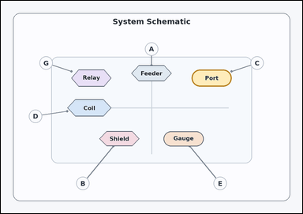 | 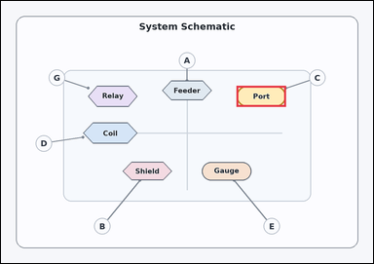 | task_diagrams_schematic_callout_target_label | callout_for_highlighted_part | Work from the schematic callouts and leader lines: an annotated schematic with labeled parts and external callout circles connected by leader lines. Which labeled callout points to the highlighted part? Answer using the exact visible callout label. Return a valid JSON object with keys "evidence" and "answer" in that order. Evidence rule: set "evidence" to an array containing exactly one bounding box [x1, y1, x2, y2] for the highlighted target part. Answer rule: set "answer" to the exact visible callout label. Example JSON: {"evidence":[[406,334,595,445]],"answer":"F"} | Work from the schematic callouts and leader lines: an annotated schematic with labeled parts and external callout circles connected by leader lines. Which labeled callout points to the highlighted part? Answer using the exact visible callout label. Return a valid JSON object with key "answer". Answer rule: set "answer" to the exact visible callout label. Example JSON: {"answer":"F"} | {"evidence": [[810.24, 291.459, 980.48, 363.485]], "answer": "C"} | [[810.24, 291.459, 980.48, 363.485]] | string | bbox_set | 336811831995053 | diagrams/task_diagrams_schematic_callout_target_label/images/callout_for_highlighted_part/0021.png | diagrams/task_diagrams_schematic_callout_target_label/data/callout_for_highlighted_part/0021.json
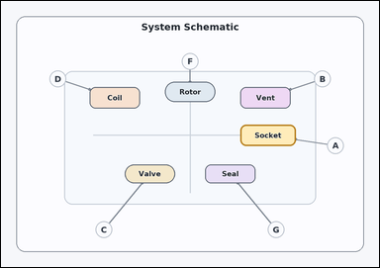 | 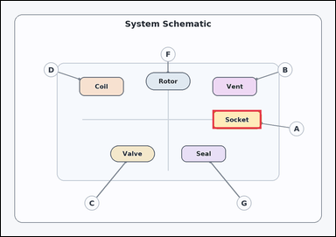 | task_diagrams_schematic_callout_target_label | callout_for_highlighted_part | Use the labeled schematic in the image: an annotated schematic with labeled parts and external callout circles connected by leader lines. Follow the leader lines and answer: Which labeled callout points to the highlighted part? Answer using the exact visible callout label. Return a valid JSON object with keys "evidence" and "answer" in that order. Evidence rule: set "evidence" to an array containing exactly one bounding box [x1, y1, x2, y2] for the highlighted target part. Answer rule: set "answer" to the exact visible callout label. Example JSON: {"evidence":[[406,334,595,445]],"answer":"F"} | Use the labeled schematic in the image: an annotated schematic with labeled parts and external callout circles connected by leader lines. Follow the leader lines and answer: Which labeled callout points to the highlighted part? Answer using the exact visible callout label. Return a valid JSON object with key "answer". Answer requirement: set "answer" to the exact visible callout label. Example JSON: {"answer":"F"} | {"evidence": [[810.24, 417.504, 997.504, 489.53]], "answer": "A"} | [[810.24, 417.504, 997.504, 489.53]] | string | bbox_set | 463890159163008 | diagrams/task_diagrams_schematic_callout_target_label/images/callout_for_highlighted_part/0022.png | diagrams/task_diagrams_schematic_callout_target_label/data/callout_for_highlighted_part/0022.json
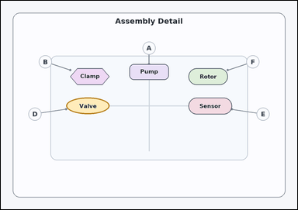 | 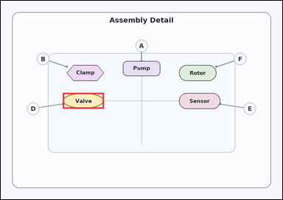 | task_diagrams_schematic_callout_target_label | callout_for_highlighted_part | The image shows an annotated schematic with labeled parts and external callout circles connected by leader lines. Follow the leader lines and answer: Which labeled callout points to the highlighted part? Answer with the exact callout label shown. Return a valid JSON object with keys "evidence" and "answer" in that order. Evidence rule: set "evidence" to an array containing exactly one bounding box [x1, y1, x2, y2] for the highlighted target part. Answer rule: set "answer" to the exact visible callout label. Example JSON: {"evidence":[[406,334,595,445]],"answer":"F"} | The image shows an annotated schematic with labeled parts and external callout circles connected by leader lines. Follow the leader lines and answer: Which labeled callout points to the highlighted part? Answer with the exact callout label shown. Return a valid JSON object with key "answer". Answer format: set "answer" to the exact visible callout label. Example JSON: {"answer":"F"} | {"evidence": [[282.496, 417.504, 469.76, 489.53]], "answer": "D"} | [[282.496, 417.504, 469.76, 489.53]] | string | bbox_set | 867957341941516 | diagrams/task_diagrams_schematic_callout_target_label/images/callout_for_highlighted_part/0006.png | diagrams/task_diagrams_schematic_callout_target_label/data/callout_for_highlighted_part/0006.json
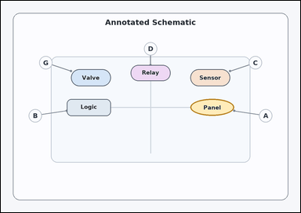 | 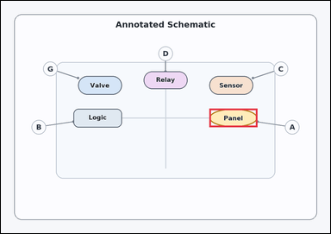 | task_diagrams_schematic_callout_target_label | callout_for_highlighted_part | Look at the annotated schematic in the image: an annotated schematic with labeled parts and external callout circles connected by leader lines. Which labeled callout points to the highlighted part? Give the full callout label exactly as shown. Return a valid JSON object with keys "evidence" and "answer" in that order. Evidence rule: set "evidence" to an array containing exactly one bounding box [x1, y1, x2, y2] for the highlighted target part. Answer rule: set "answer" to the exact visible callout label. Example JSON: {"evidence":[[406,334,595,445]],"answer":"F"} | Look at the annotated schematic in the image: an annotated schematic with labeled parts and external callout circles connected by leader lines. Which labeled callout points to the highlighted part? Give the full callout label exactly as shown. Return a valid JSON object with key "answer". Answer requirement: set "answer" to the exact visible callout label. Example JSON: {"answer":"F"} | {"evidence": [[810.24, 417.504, 997.504, 489.53]], "answer": "A"} | [[810.24, 417.504, 997.504, 489.53]] | string | bbox_set | 1.4633925718E+15 | diagrams/task_diagrams_schematic_callout_target_label/images/callout_for_highlighted_part/0023.png | diagrams/task_diagrams_schematic_callout_target_label/data/callout_for_highlighted_part/0023.json
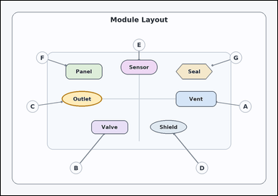 | 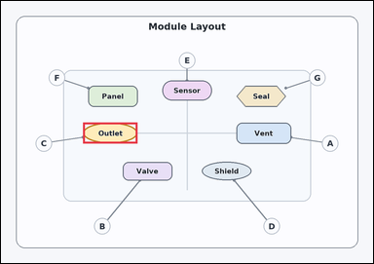 | task_diagrams_schematic_callout_target_label | callout_for_highlighted_part | Work from the schematic callouts and leader lines: an annotated schematic with labeled parts and external callout circles connected by leader lines. Determine the correct callout from the annotated schematic: Which labeled callout points to the highlighted part? Respond with the callout label only. Return a valid JSON object with keys "evidence" and "answer" in that order. Evidence format: set "evidence" to an array containing exactly one bounding box [x1, y1, x2, y2] for the highlighted target part. Answer requirement: set "answer" to the exact visible callout label. Example JSON: {"evidence":[[406,334,595,445]],"answer":"F"} | Work from the schematic callouts and leader lines: an annotated schematic with labeled parts and external callout circles connected by leader lines. Determine the correct callout from the annotated schematic: Which labeled callout points to the highlighted part? Respond with the callout label only. Return a valid JSON object with key "answer". Answer requirement: set "answer" to the exact visible callout label. Example JSON: {"answer":"F"} | {"evidence": [[282.496, 417.504, 469.76, 489.53]], "answer": "C"} | [[282.496, 417.504, 469.76, 489.53]] | string | bbox_set | 1.6859845115E+15 | diagrams/task_diagrams_schematic_callout_target_label/images/callout_for_highlighted_part/0007.png | diagrams/task_diagrams_schematic_callout_target_label/data/callout_for_highlighted_part/0007.json
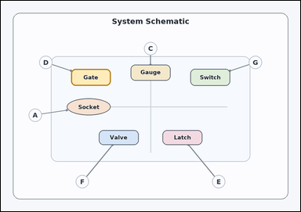 | 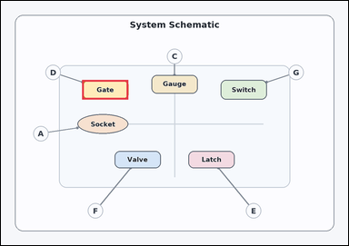 | task_diagrams_schematic_callout_target_label | callout_for_highlighted_part | The image shows an annotated schematic with labeled parts and external callout circles connected by leader lines. Read the callouts and answer: Which labeled callout points to the highlighted part? Answer with the exact callout label shown. Return a valid JSON object with keys "evidence" and "answer" in that order. Evidence requirement: set "evidence" to an array containing exactly one bounding box [x1, y1, x2, y2] for the highlighted target part. Answer format: set "answer" to the exact visible callout label. Example JSON: {"evidence":[[406,334,595,445]],"answer":"F"} | The image shows an annotated schematic with labeled parts and external callout circles connected by leader lines. Read the callouts and answer: Which labeled callout points to the highlighted part? Answer with the exact callout label shown. Return a valid JSON object with key "answer". Answer rule: set "answer" to the exact visible callout label. Example JSON: {"answer":"F"} | {"evidence": [[299.52, 291.459, 469.76, 363.485]], "answer": "D"} | [[299.52, 291.459, 469.76, 363.485]] | string | bbox_set | 2.1567346642E+15 | diagrams/task_diagrams_schematic_callout_target_label/images/callout_for_highlighted_part/0013.png | diagrams/task_diagrams_schematic_callout_target_label/data/callout_for_highlighted_part/0013.json
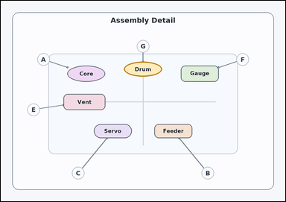 | 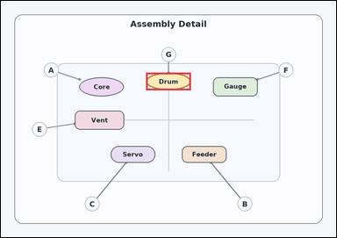 | task_diagrams_schematic_callout_target_label | callout_for_highlighted_part | Use the labeled schematic in the image: an annotated schematic with labeled parts and external callout circles connected by leader lines. Read the callouts and answer: Which labeled callout points to the highlighted part? Respond with the callout label only. Return a valid JSON object with keys "evidence" and "answer" in that order. Evidence: set "evidence" to an array containing exactly one bounding box [x1, y1, x2, y2] for the highlighted target part. Answer: set "answer" to the exact visible callout label. Example JSON: {"evidence":[[406,334,595,445]],"answer":"F"} | Use the labeled schematic in the image: an annotated schematic with labeled parts and external callout circles connected by leader lines. Read the callouts and answer: Which labeled callout points to the highlighted part? Respond with the callout label only. Return a valid JSON object with key "answer". Answer: set "answer" to the exact visible callout label. Example JSON: {"answer":"F"} | {"evidence": [[554.88, 273.453, 725.12, 340.977]], "answer": "G"} | [[554.88, 273.453, 725.12, 340.977]] | string | bbox_set | 2.7435232061E+15 | diagrams/task_diagrams_schematic_callout_target_label/images/callout_for_highlighted_part/0014.png | diagrams/task_diagrams_schematic_callout_target_label/data/callout_for_highlighted_part/0014.json
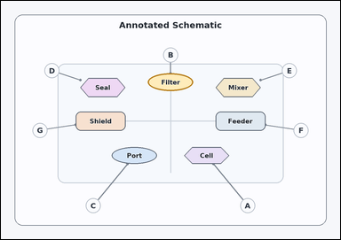 | 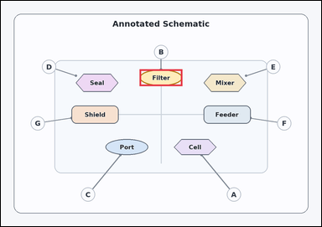 | task_diagrams_schematic_callout_target_label | callout_for_highlighted_part | Use the labeled schematic in the image: an annotated schematic with labeled parts and external callout circles connected by leader lines. Use the schematic to answer: Which labeled callout points to the highlighted part? Answer using the exact visible callout label. Return a valid JSON object with keys "evidence" and "answer" in that order. Evidence format: set "evidence" to an array containing exactly one bounding box [x1, y1, x2, y2] for the highlighted target part. Answer requirement: set "answer" to the exact visible callout label. Example JSON: {"evidence":[[406,334,595,445]],"answer":"F"} | Use the labeled schematic in the image: an annotated schematic with labeled parts and external callout circles connected by leader lines. Use the schematic to answer: Which labeled callout points to the highlighted part? Answer using the exact visible callout label. Return a valid JSON object with key "answer". Answer rule: set "answer" to the exact visible callout label. Example JSON: {"answer":"F"} | {"evidence": [[554.88, 273.453, 725.12, 340.977]], "answer": "B"} | [[554.88, 273.453, 725.12, 340.977]] | string | bbox_set | 3.0531007845E+15 | diagrams/task_diagrams_schematic_callout_target_label/images/callout_for_highlighted_part/0015.png | diagrams/task_diagrams_schematic_callout_target_label/data/callout_for_highlighted_part/0015.json
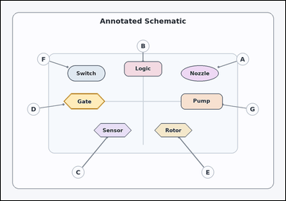 | 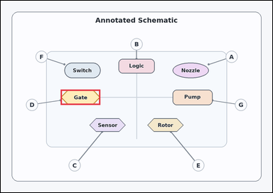 | task_diagrams_schematic_callout_target_label | callout_for_highlighted_part | The image shows an annotated schematic with labeled parts and external callout circles connected by leader lines. Determine the correct callout from the annotated schematic: Which labeled callout points to the highlighted part? Respond with the callout label only. Return a valid JSON object with keys "evidence" and "answer" in that order. Evidence requirement: set "evidence" to an array containing exactly one bounding box [x1, y1, x2, y2] for the highlighted target part. Answer format: set "answer" to the exact visible callout label. Example JSON: {"evidence":[[406,334,595,445]],"answer":"F"} | The image shows an annotated schematic with labeled parts and external callout circles connected by leader lines. Determine the correct callout from the annotated schematic: Which labeled callout points to the highlighted part? Respond with the callout label only. Return a valid JSON object with key "answer". Answer rule: set "answer" to the exact visible callout label. Example JSON: {"answer":"F"} | {"evidence": [[282.496, 417.504, 469.76, 489.53]], "answer": "D"} | [[282.496, 417.504, 469.76, 489.53]] | string | bbox_set | 3.7012998531E+15 | diagrams/task_diagrams_schematic_callout_target_label/images/callout_for_highlighted_part/0018.png | diagrams/task_diagrams_schematic_callout_target_label/data/callout_for_highlighted_part/0018.json
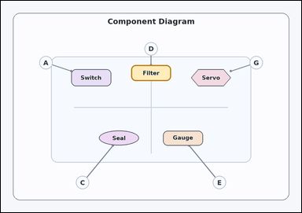 | 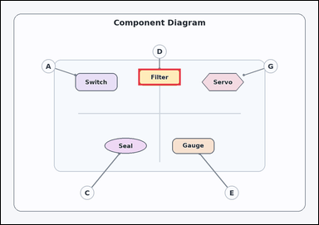 | task_diagrams_schematic_callout_target_label | callout_for_highlighted_part | Use the labeled schematic in the image: an annotated schematic with labeled parts and external callout circles connected by leader lines. Read the callouts and answer: Which labeled callout points to the highlighted part? Return the exact visible callout label. Return a valid JSON object with keys "evidence" and "answer" in that order. Evidence field: set "evidence" to an array containing exactly one bounding box [x1, y1, x2, y2] for the highlighted target part. Answer field: set "answer" to the exact visible callout label. Example JSON: {"evidence":[[406,334,595,445]],"answer":"F"} | Use the labeled schematic in the image: an annotated schematic with labeled parts and external callout circles connected by leader lines. Read the callouts and answer: Which labeled callout points to the highlighted part? Return the exact visible callout label. Return a valid JSON object with key "answer". Answer requirement: set "answer" to the exact visible callout label. Example JSON: {"answer":"F"} | {"evidence": [[554.88, 273.453, 725.12, 340.977]], "answer": "D"} | [[554.88, 273.453, 725.12, 340.977]] | string | bbox_set | 3.8938023808E+15 | diagrams/task_diagrams_schematic_callout_target_label/images/callout_for_highlighted_part/0016.png | diagrams/task_diagrams_schematic_callout_target_label/data/callout_for_highlighted_part/0016.json
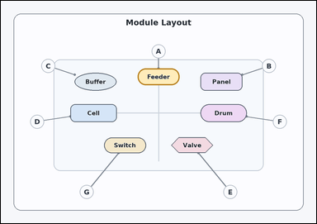 | 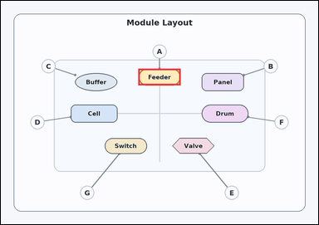 | task_diagrams_schematic_callout_target_label | callout_for_highlighted_part | Use the labeled schematic in the image: an annotated schematic with labeled parts and external callout circles connected by leader lines. Use the schematic to answer: Which labeled callout points to the highlighted part? Return the exact visible callout label. Return a valid JSON object with keys "evidence" and "answer" in that order. Evidence requirement: set "evidence" to an array containing exactly one bounding box [x1, y1, x2, y2] for the highlighted target part. Answer format: set "answer" to the exact visible callout label. Example JSON: {"evidence":[[406,334,595,445]],"answer":"F"} | Use the labeled schematic in the image: an annotated schematic with labeled parts and external callout circles connected by leader lines. Use the schematic to answer: Which labeled callout points to the highlighted part? Return the exact visible callout label. Return a valid JSON object with key "answer". Answer: set "answer" to the exact visible callout label. Example JSON: {"answer":"F"} | {"evidence": [[554.88, 273.453, 725.12, 340.977]], "answer": "A"} | [[554.88, 273.453, 725.12, 340.977]] | string | bbox_set | 4.6946360161E+15 | diagrams/task_diagrams_schematic_callout_target_label/images/callout_for_highlighted_part/0019.png | diagrams/task_diagrams_schematic_callout_target_label/data/callout_for_highlighted_part/0019.json
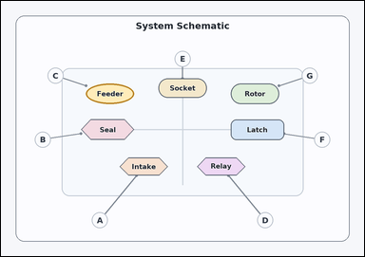 | 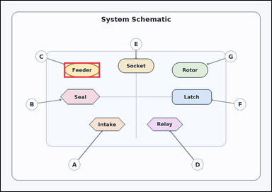 | task_diagrams_schematic_callout_target_label | callout_for_highlighted_part | Use the labeled schematic in the image: an annotated schematic with labeled parts and external callout circles connected by leader lines. Use the schematic to answer: Which labeled callout points to the highlighted part? Answer with the exact callout label shown. Return a valid JSON object with keys "evidence" and "answer" in that order. Evidence rule: set "evidence" to an array containing exactly one bounding box [x1, y1, x2, y2] for the highlighted target part. Answer rule: set "answer" to the exact visible callout label. Example JSON: {"evidence":[[406,334,595,445]],"answer":"F"} | Use the labeled schematic in the image: an annotated schematic with labeled parts and external callout circles connected by leader lines. Use the schematic to answer: Which labeled callout points to the highlighted part? Answer with the exact callout label shown. Return a valid JSON object with key "answer". Answer requirement: set "answer" to the exact visible callout label. Example JSON: {"answer":"F"} | {"evidence": [[299.52, 291.459, 469.76, 363.485]], "answer": "C"} | [[299.52, 291.459, 469.76, 363.485]] | string | bbox_set | 5.3330611362E+15 | diagrams/task_diagrams_schematic_callout_target_label/images/callout_for_highlighted_part/0017.png | diagrams/task_diagrams_schematic_callout_target_label/data/callout_for_highlighted_part/0017.json
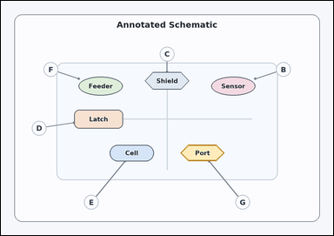 | 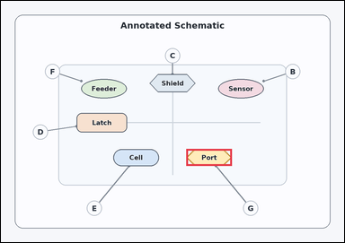 | task_diagrams_schematic_callout_target_label | callout_for_highlighted_part | Look at the annotated schematic in the image: an annotated schematic with labeled parts and external callout circles connected by leader lines. Which labeled callout points to the highlighted part? Give the full callout label exactly as shown. Return a valid JSON object with keys "evidence" and "answer" in that order. Evidence field: set "evidence" to an array containing exactly one bounding box [x1, y1, x2, y2] for the highlighted target part. Answer field: set "answer" to the exact visible callout label. Example JSON: {"evidence":[[406,334,595,445]],"answer":"F"} | Look at the annotated schematic in the image: an annotated schematic with labeled parts and external callout circles connected by leader lines. Which labeled callout points to the highlighted part? Give the full callout label exactly as shown. Return a valid JSON object with key "answer". Answer rule: set "answer" to the exact visible callout label. Example JSON: {"answer":"F"} | {"evidence": [[691.072, 552.552, 861.312, 615.574]], "answer": "G"} | [[691.072, 552.552, 861.312, 615.574]] | string | bbox_set | 5.3545095704E+15 | diagrams/task_diagrams_schematic_callout_target_label/images/callout_for_highlighted_part/0008.png | diagrams/task_diagrams_schematic_callout_target_label/data/callout_for_highlighted_part/0008.json
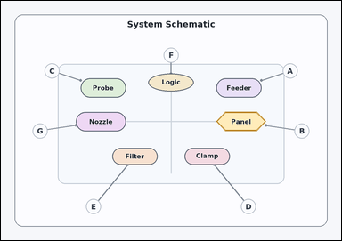 | 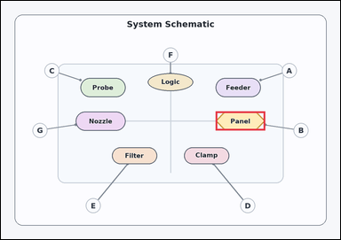 | task_diagrams_schematic_callout_target_label | callout_for_highlighted_part | Look at the annotated schematic in the image: an annotated schematic with labeled parts and external callout circles connected by leader lines. Use the schematic to answer: Which labeled callout points to the highlighted part? Answer with the exact callout label shown. Return a valid JSON object with keys "evidence" and "answer" in that order. Evidence requirement: set "evidence" to an array containing exactly one bounding box [x1, y1, x2, y2] for the highlighted target part. Answer format: set "answer" to the exact visible callout label. Example JSON: {"evidence":[[406,334,595,445]],"answer":"F"} | Look at the annotated schematic in the image: an annotated schematic with labeled parts and external callout circles connected by leader lines. Use the schematic to answer: Which labeled callout points to the highlighted part? Answer with the exact callout label shown. Return a valid JSON object with key "answer". Answer rule: set "answer" to the exact visible callout label. Example JSON: {"answer":"F"} | {"evidence": [[810.24, 417.504, 997.504, 489.53]], "answer": "B"} | [[810.24, 417.504, 997.504, 489.53]] | string | bbox_set | 5.4178461727E+15 | diagrams/task_diagrams_schematic_callout_target_label/images/callout_for_highlighted_part/0001.png | diagrams/task_diagrams_schematic_callout_target_label/data/callout_for_highlighted_part/0001.json
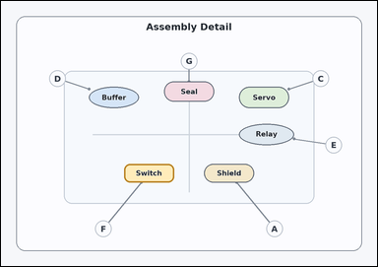 | 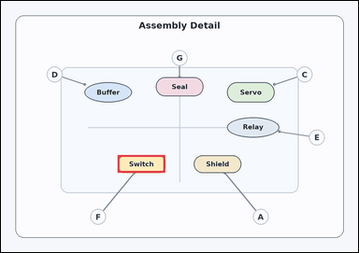 | task_diagrams_schematic_callout_target_label | callout_for_highlighted_part | Look at the annotated schematic in the image: an annotated schematic with labeled parts and external callout circles connected by leader lines. Which labeled callout points to the highlighted part? Answer with the exact callout label shown. Return a valid JSON object with keys "evidence" and "answer" in that order. Evidence field: set "evidence" to an array containing exactly one bounding box [x1, y1, x2, y2] for the highlighted target part. Answer field: set "answer" to the exact visible callout label. Example JSON: {"evidence":[[406,334,595,445]],"answer":"F"} | Look at the annotated schematic in the image: an annotated schematic with labeled parts and external callout circles connected by leader lines. Which labeled callout points to the highlighted part? Answer with the exact callout label shown. Return a valid JSON object with key "answer". Answer: set "answer" to the exact visible callout label. Example JSON: {"answer":"F"} | {"evidence": [[418.688, 552.552, 588.928, 615.574]], "answer": "F"} | [[418.688, 552.552, 588.928, 615.574]] | string | bbox_set | 5.5965324971E+15 | diagrams/task_diagrams_schematic_callout_target_label/images/callout_for_highlighted_part/0000.png | diagrams/task_diagrams_schematic_callout_target_label/data/callout_for_highlighted_part/0000.json
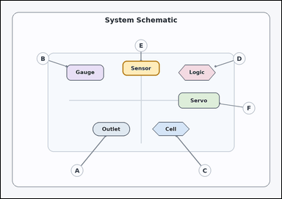 | 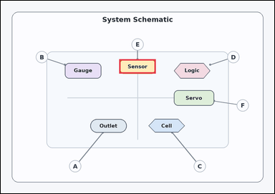 | task_diagrams_schematic_callout_target_label | callout_for_highlighted_part | Work from the schematic callouts and leader lines: an annotated schematic with labeled parts and external callout circles connected by leader lines. Follow the leader lines and answer: Which labeled callout points to the highlighted part? Answer using the exact visible callout label. Return a valid JSON object with keys "evidence" and "answer" in that order. Evidence: set "evidence" to an array containing exactly one bounding box [x1, y1, x2, y2] for the highlighted target part. Answer: set "answer" to the exact visible callout label. Example JSON: {"evidence":[[406,334,595,445]],"answer":"F"} | Work from the schematic callouts and leader lines: an annotated schematic with labeled parts and external callout circles connected by leader lines. Follow the leader lines and answer: Which labeled callout points to the highlighted part? Answer using the exact visible callout label. Return a valid JSON object with key "answer". Answer field: set "answer" to the exact visible callout label. Example JSON: {"answer":"F"} | {"evidence": [[554.88, 273.453, 725.12, 340.977]], "answer": "E"} | [[554.88, 273.453, 725.12, 340.977]] | string | bbox_set | 6.0260028451E+15 | diagrams/task_diagrams_schematic_callout_target_label/images/callout_for_highlighted_part/0020.png | diagrams/task_diagrams_schematic_callout_target_label/data/callout_for_highlighted_part/0020.json
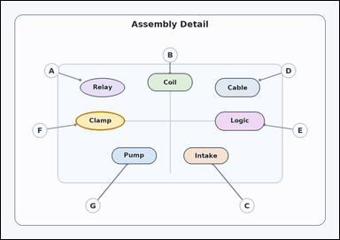 | 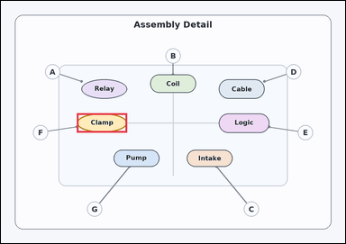 | task_diagrams_schematic_callout_target_label | callout_for_highlighted_part | You are given an annotated schematic with labeled parts and external callout circles connected by leader lines. Read the callouts and answer: Which labeled callout points to the highlighted part? Respond with the callout label only. Return a valid JSON object with keys "evidence" and "answer" in that order. Evidence field: set "evidence" to an array containing exactly one bounding box [x1, y1, x2, y2] for the highlighted target part. Answer field: set "answer" to the exact visible callout label. Example JSON: {"evidence":[[406,334,595,445]],"answer":"F"} | You are given an annotated schematic with labeled parts and external callout circles connected by leader lines. Read the callouts and answer: Which labeled callout points to the highlighted part? Respond with the callout label only. Return a valid JSON object with key "answer". Answer field: set "answer" to the exact visible callout label. Example JSON: {"answer":"F"} | {"evidence": [[282.496, 417.504, 469.76, 489.53]], "answer": "F"} | [[282.496, 417.504, 469.76, 489.53]] | string | bbox_set | 6.5963192451E+15 | diagrams/task_diagrams_schematic_callout_target_label/images/callout_for_highlighted_part/0024.png | diagrams/task_diagrams_schematic_callout_target_label/data/callout_for_highlighted_part/0024.json
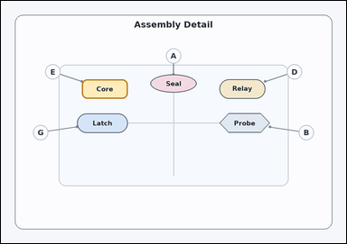 | 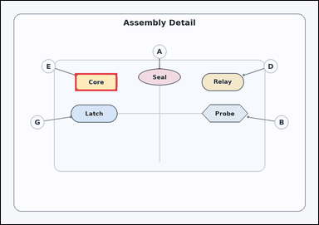 | task_diagrams_schematic_callout_target_label | callout_for_highlighted_part | Look at the annotated schematic in the image: an annotated schematic with labeled parts and external callout circles connected by leader lines. Read the callouts and answer: Which labeled callout points to the highlighted part? Give the full callout label exactly as shown. Return a valid JSON object with keys "evidence" and "answer" in that order. Evidence requirement: set "evidence" to an array containing exactly one bounding box [x1, y1, x2, y2] for the highlighted target part. Answer format: set "answer" to the exact visible callout label. Example JSON: {"evidence":[[406,334,595,445]],"answer":"F"} | Look at the annotated schematic in the image: an annotated schematic with labeled parts and external callout circles connected by leader lines. Read the callouts and answer: Which labeled callout points to the highlighted part? Give the full callout label exactly as shown. Return a valid JSON object with key "answer". Answer requirement: set "answer" to the exact visible callout label. Example JSON: {"answer":"F"} | {"evidence": [[299.52, 291.459, 469.76, 363.485]], "answer": "E"} | [[299.52, 291.459, 469.76, 363.485]] | string | bbox_set | 6.8394147042E+15 | diagrams/task_diagrams_schematic_callout_target_label/images/callout_for_highlighted_part/0002.png | diagrams/task_diagrams_schematic_callout_target_label/data/callout_for_highlighted_part/0002.json
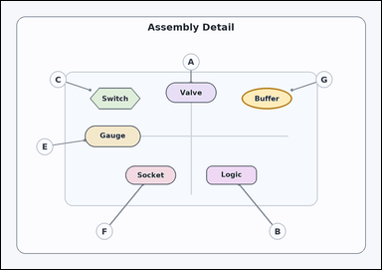 | 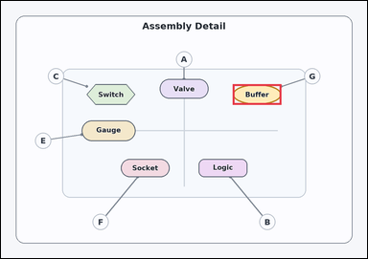 | task_diagrams_schematic_callout_target_label | callout_for_highlighted_part | You are given an annotated schematic with labeled parts and external callout circles connected by leader lines. Read the callouts and answer: Which labeled callout points to the highlighted part? Respond with the callout label only. Return a valid JSON object with keys "evidence" and "answer" in that order. Evidence: set "evidence" to an array containing exactly one bounding box [x1, y1, x2, y2] for the highlighted target part. Answer: set "answer" to the exact visible callout label. Example JSON: {"evidence":[[406,334,595,445]],"answer":"F"} | You are given an annotated schematic with labeled parts and external callout circles connected by leader lines. Read the callouts and answer: Which labeled callout points to the highlighted part? Respond with the callout label only. Return a valid JSON object with key "answer". Answer rule: set "answer" to the exact visible callout label. Example JSON: {"answer":"F"} | {"evidence": [[810.24, 291.459, 980.48, 363.485]], "answer": "G"} | [[810.24, 291.459, 980.48, 363.485]] | string | bbox_set | 7.7934355455E+15 | diagrams/task_diagrams_schematic_callout_target_label/images/callout_for_highlighted_part/0012.png | diagrams/task_diagrams_schematic_callout_target_label/data/callout_for_highlighted_part/0012.json
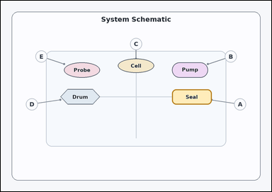 | 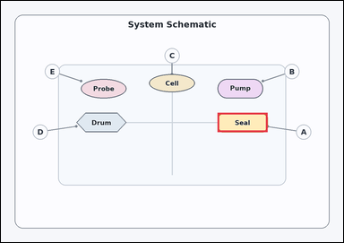 | task_diagrams_schematic_callout_target_label | callout_for_highlighted_part | Use the labeled schematic in the image: an annotated schematic with labeled parts and external callout circles connected by leader lines. Determine the correct callout from the annotated schematic: Which labeled callout points to the highlighted part? Respond with the callout label only. Return a valid JSON object with keys "evidence" and "answer" in that order. Evidence requirement: set "evidence" to an array containing exactly one bounding box [x1, y1, x2, y2] for the highlighted target part. Answer format: set "answer" to the exact visible callout label. Example JSON: {"evidence":[[406,334,595,445]],"answer":"F"} | Use the labeled schematic in the image: an annotated schematic with labeled parts and external callout circles connected by leader lines. Determine the correct callout from the annotated schematic: Which labeled callout points to the highlighted part? Respond with the callout label only. Return a valid JSON object with key "answer". Answer: set "answer" to the exact visible callout label. Example JSON: {"answer":"F"} | {"evidence": [[810.24, 417.504, 997.504, 489.53]], "answer": "A"} | [[810.24, 417.504, 997.504, 489.53]] | string | bbox_set | 7.975971273E+15 | diagrams/task_diagrams_schematic_callout_target_label/images/callout_for_highlighted_part/0009.png | diagrams/task_diagrams_schematic_callout_target_label/data/callout_for_highlighted_part/0009.json
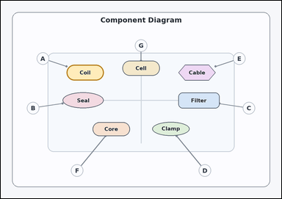 | 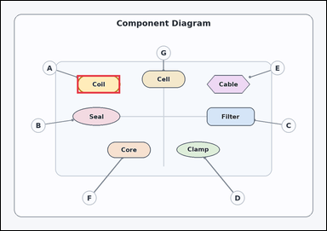 | task_diagrams_schematic_callout_target_label | callout_for_highlighted_part | Look at the annotated schematic in the image: an annotated schematic with labeled parts and external callout circles connected by leader lines. Follow the leader lines and answer: Which labeled callout points to the highlighted part? Answer using the exact visible callout label. Return a valid JSON object with keys "evidence" and "answer" in that order. Evidence: set "evidence" to an array containing exactly one bounding box [x1, y1, x2, y2] for the highlighted target part. Answer: set "answer" to the exact visible callout label. Example JSON: {"evidence":[[406,334,595,445]],"answer":"F"} | Look at the annotated schematic in the image: an annotated schematic with labeled parts and external callout circles connected by leader lines. Follow the leader lines and answer: Which labeled callout points to the highlighted part? Answer using the exact visible callout label. Return a valid JSON object with key "answer". Answer: set "answer" to the exact visible callout label. Example JSON: {"answer":"F"} | {"evidence": [[299.52, 291.459, 469.76, 363.485]], "answer": "A"} | [[299.52, 291.459, 469.76, 363.485]] | string | bbox_set | 8.0880072035E+15 | diagrams/task_diagrams_schematic_callout_target_label/images/callout_for_highlighted_part/0003.png | diagrams/task_diagrams_schematic_callout_target_label/data/callout_for_highlighted_part/0003.json
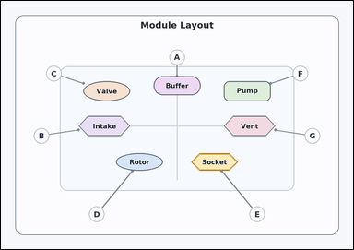 | 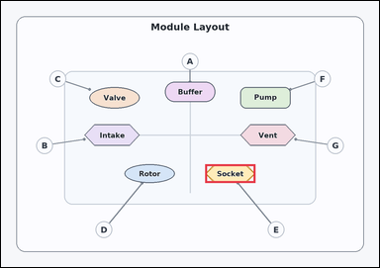 | task_diagrams_schematic_callout_target_label | callout_for_highlighted_part | Use the labeled schematic in the image: an annotated schematic with labeled parts and external callout circles connected by leader lines. Which labeled callout points to the highlighted part? Answer using the exact visible callout label. Return a valid JSON object with keys "evidence" and "answer" in that order. Evidence format: set "evidence" to an array containing exactly one bounding box [x1, y1, x2, y2] for the highlighted target part. Answer requirement: set "answer" to the exact visible callout label. Example JSON: {"evidence":[[406,334,595,445]],"answer":"F"} | Use the labeled schematic in the image: an annotated schematic with labeled parts and external callout circles connected by leader lines. Which labeled callout points to the highlighted part? Answer using the exact visible callout label. Return a valid JSON object with key "answer". Answer field: set "answer" to the exact visible callout label. Example JSON: {"answer":"F"} | {"evidence": [[691.072, 552.552, 861.312, 615.574]], "answer": "E"} | [[691.072, 552.552, 861.312, 615.574]] | string | bbox_set | 8.4452747172E+15 | diagrams/task_diagrams_schematic_callout_target_label/images/callout_for_highlighted_part/0004.png | diagrams/task_diagrams_schematic_callout_target_label/data/callout_for_highlighted_part/0004.json
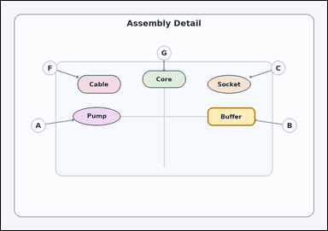 | 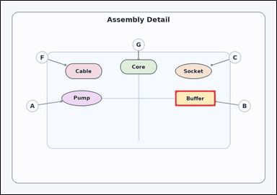 | task_diagrams_schematic_callout_target_label | callout_for_highlighted_part | You are given an annotated schematic with labeled parts and external callout circles connected by leader lines. Read the callouts and answer: Which labeled callout points to the highlighted part? Answer using the exact visible callout label. Return a valid JSON object with keys "evidence" and "answer" in that order. Evidence: set "evidence" to an array containing exactly one bounding box [x1, y1, x2, y2] for the highlighted target part. Answer: set "answer" to the exact visible callout label. Example JSON: {"evidence":[[406,334,595,445]],"answer":"F"} | You are given an annotated schematic with labeled parts and external callout circles connected by leader lines. Read the callouts and answer: Which labeled callout points to the highlighted part? Answer using the exact visible callout label. Return a valid JSON object with key "answer". Answer requirement: set "answer" to the exact visible callout label. Example JSON: {"answer":"F"} | {"evidence": [[810.24, 417.504, 997.504, 489.53]], "answer": "B"} | [[810.24, 417.504, 997.504, 489.53]] | string | bbox_set | 8.70915156E+15 | diagrams/task_diagrams_schematic_callout_target_label/images/callout_for_highlighted_part/0010.png | diagrams/task_diagrams_schematic_callout_target_label/data/callout_for_highlighted_part/0010.json
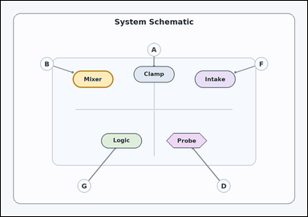 | 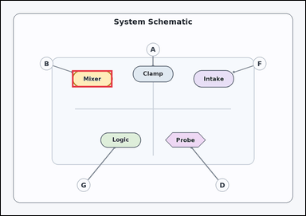 | task_diagrams_schematic_callout_target_label | callout_for_highlighted_part | You are given an annotated schematic with labeled parts and external callout circles connected by leader lines. Follow the leader lines and answer: Which labeled callout points to the highlighted part? Give the full callout label exactly as shown. Return a valid JSON object with keys "evidence" and "answer" in that order. Evidence field: set "evidence" to an array containing exactly one bounding box [x1, y1, x2, y2] for the highlighted target part. Answer field: set "answer" to the exact visible callout label. Example JSON: {"evidence":[[406,334,595,445]],"answer":"F"} | You are given an annotated schematic with labeled parts and external callout circles connected by leader lines. Follow the leader lines and answer: Which labeled callout points to the highlighted part? Give the full callout label exactly as shown. Return a valid JSON object with key "answer". Answer format: set "answer" to the exact visible callout label. Example JSON: {"answer":"F"} | {"evidence": [[299.52, 291.459, 469.76, 363.485]], "answer": "B"} | [[299.52, 291.459, 469.76, 363.485]] | string | bbox_set | 8.7570168342E+15 | diagrams/task_diagrams_schematic_callout_target_label/images/callout_for_highlighted_part/0005.png | diagrams/task_diagrams_schematic_callout_target_label/data/callout_for_highlighted_part/0005.json
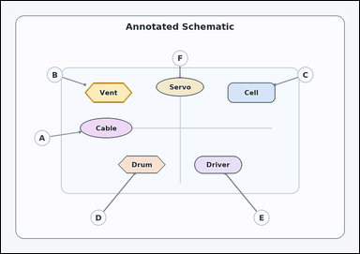 | 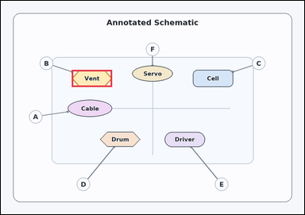 | task_diagrams_schematic_callout_target_label | callout_for_highlighted_part | Look at the annotated schematic in the image: an annotated schematic with labeled parts and external callout circles connected by leader lines. Read the callouts and answer: Which labeled callout points to the highlighted part? Return the exact visible callout label. Return a valid JSON object with keys "evidence" and "answer" in that order. Evidence requirement: set "evidence" to an array containing exactly one bounding box [x1, y1, x2, y2] for the highlighted target part. Answer format: set "answer" to the exact visible callout label. Example JSON: {"evidence":[[406,334,595,445]],"answer":"F"} | Look at the annotated schematic in the image: an annotated schematic with labeled parts and external callout circles connected by leader lines. Read the callouts and answer: Which labeled callout points to the highlighted part? Return the exact visible callout label. Return a valid JSON object with key "answer". Answer field: set "answer" to the exact visible callout label. Example JSON: {"answer":"F"} | {"evidence": [[299.52, 291.459, 469.76, 363.485]], "answer": "B"} | [[299.52, 291.459, 469.76, 363.485]] | string | bbox_set | 8.9241385216E+15 | diagrams/task_diagrams_schematic_callout_target_label/images/callout_for_highlighted_part/0011.png | diagrams/task_diagrams_schematic_callout_target_label/data/callout_for_highlighted_part/0011.json

callout_for_named_part
image | evidence_image | task | task_variant | prompt | prompt_answer_only | answer | answer_evidence | answer_type | evidence_type | instance_seed | image_path | data_path
 |  | task_diagrams_schematic_callout_target_label | callout_for_named_part | The image shows an annotated schematic with labeled parts and external callout circles connected by leader lines. Which labeled callout points to Valve? Answer using the exact visible callout label. Return a valid JSON object with keys "evidence" and "answer" in that order. Evidence rule: set "evidence" to an array containing exactly one bounding box [x1, y1, x2, y2] for the named target part. Answer rule: set "answer" to the exact visible callout label. Example JSON: {"evidence":[[406,334,595,445]],"answer":"B"} | The image shows an annotated schematic with labeled parts and external callout circles connected by leader lines. Which labeled callout points to Valve? Answer using the exact visible callout label. Return a valid JSON object with key "answer". Answer requirement: set "answer" to the exact visible callout label. Example JSON: {"answer":"B"} | {"evidence": [[691.072, 552.552, 861.312, 615.574]], "answer": "A"} | [[691.072, 552.552, 861.312, 615.574]] | string | bbox_set | 728091966101714 | diagrams/task_diagrams_schematic_callout_target_label/images/callout_for_named_part/0023.png | diagrams/task_diagrams_schematic_callout_target_label/data/callout_for_named_part/0023.json
 |  | task_diagrams_schematic_callout_target_label | callout_for_named_part | You are given an annotated schematic with labeled parts and external callout circles connected by leader lines. Determine the correct callout from the annotated schematic: Which labeled callout points to Latch? Answer using the exact visible callout label. Return a valid JSON object with keys "evidence" and "answer" in that order. Evidence requirement: set "evidence" to an array containing exactly one bounding box [x1, y1, x2, y2] for the named target part. Answer format: set "answer" to the exact visible callout label. Example JSON: {"evidence":[[406,334,595,445]],"answer":"B"} | You are given an annotated schematic with labeled parts and external callout circles connected by leader lines. Determine the correct callout from the annotated schematic: Which labeled callout points to Latch? Answer using the exact visible callout label. Return a valid JSON object with key "answer". Answer requirement: set "answer" to the exact visible callout label. Example JSON: {"answer":"B"} | {"evidence": [[554.88, 273.453, 725.12, 340.977]], "answer": "D"} | [[554.88, 273.453, 725.12, 340.977]] | string | bbox_set | 1.0051871518E+15 | diagrams/task_diagrams_schematic_callout_target_label/images/callout_for_named_part/0022.png | diagrams/task_diagrams_schematic_callout_target_label/data/callout_for_named_part/0022.json
 |  | task_diagrams_schematic_callout_target_label | callout_for_named_part | The image shows an annotated schematic with labeled parts and external callout circles connected by leader lines. Determine the correct callout from the annotated schematic: Which labeled callout points to Filter? Respond with the callout label only. Return a valid JSON object with keys "evidence" and "answer" in that order. Evidence rule: set "evidence" to an array containing exactly one bounding box [x1, y1, x2, y2] for the named target part. Answer rule: set "answer" to the exact visible callout label. Example JSON: {"evidence":[[406,334,595,445]],"answer":"B"} | The image shows an annotated schematic with labeled parts and external callout circles connected by leader lines. Determine the correct callout from the annotated schematic: Which labeled callout points to Filter? Respond with the callout label only. Return a valid JSON object with key "answer". Answer rule: set "answer" to the exact visible callout label. Example JSON: {"answer":"B"} | {"evidence": [[554.88, 273.453, 725.12, 340.977]], "answer": "A"} | [[554.88, 273.453, 725.12, 340.977]] | string | bbox_set | 1.5688115378E+15 | diagrams/task_diagrams_schematic_callout_target_label/images/callout_for_named_part/0009.png | diagrams/task_diagrams_schematic_callout_target_label/data/callout_for_named_part/0009.json
 |  | task_diagrams_schematic_callout_target_label | callout_for_named_part | Look at the annotated schematic in the image: an annotated schematic with labeled parts and external callout circles connected by leader lines. Use the schematic to answer: Which labeled callout points to Probe? Answer with the exact callout label shown. Return a valid JSON object with keys "evidence" and "answer" in that order. Evidence format: set "evidence" to an array containing exactly one bounding box [x1, y1, x2, y2] for the named target part. Answer requirement: set "answer" to the exact visible callout label. Example JSON: {"evidence":[[406,334,595,445]],"answer":"B"} | Look at the annotated schematic in the image: an annotated schematic with labeled parts and external callout circles connected by leader lines. Use the schematic to answer: Which labeled callout points to Probe? Answer with the exact callout label shown. Return a valid JSON object with key "answer". Answer rule: set "answer" to the exact visible callout label. Example JSON: {"answer":"B"} | {"evidence": [[554.88, 273.453, 725.12, 340.977]], "answer": "B"} | [[554.88, 273.453, 725.12, 340.977]] | string | bbox_set | 1.7735399017E+15 | diagrams/task_diagrams_schematic_callout_target_label/images/callout_for_named_part/0021.png | diagrams/task_diagrams_schematic_callout_target_label/data/callout_for_named_part/0021.json
 |  | task_diagrams_schematic_callout_target_label | callout_for_named_part | Use the labeled schematic in the image: an annotated schematic with labeled parts and external callout circles connected by leader lines. Use the schematic to answer: Which labeled callout points to Cable? Answer with the exact callout label shown. Return a valid JSON object with keys "evidence" and "answer" in that order. Evidence requirement: set "evidence" to an array containing exactly one bounding box [x1, y1, x2, y2] for the named target part. Answer format: set "answer" to the exact visible callout label. Example JSON: {"evidence":[[406,334,595,445]],"answer":"B"} | Use the labeled schematic in the image: an annotated schematic with labeled parts and external callout circles connected by leader lines. Use the schematic to answer: Which labeled callout points to Cable? Answer with the exact callout label shown. Return a valid JSON object with key "answer". Answer requirement: set "answer" to the exact visible callout label. Example JSON: {"answer":"B"} | {"evidence": [[418.688, 552.552, 588.928, 615.574]], "answer": "G"} | [[418.688, 552.552, 588.928, 615.574]] | string | bbox_set | 2.0407993735E+15 | diagrams/task_diagrams_schematic_callout_target_label/images/callout_for_named_part/0019.png | diagrams/task_diagrams_schematic_callout_target_label/data/callout_for_named_part/0019.json
 |  | task_diagrams_schematic_callout_target_label | callout_for_named_part | Use the labeled schematic in the image: an annotated schematic with labeled parts and external callout circles connected by leader lines. Use the schematic to answer: Which labeled callout points to Drum? Answer using the exact visible callout label. Return a valid JSON object with keys "evidence" and "answer" in that order. Evidence rule: set "evidence" to an array containing exactly one bounding box [x1, y1, x2, y2] for the named target part. Answer rule: set "answer" to the exact visible callout label. Example JSON: {"evidence":[[406,334,595,445]],"answer":"B"} | Use the labeled schematic in the image: an annotated schematic with labeled parts and external callout circles connected by leader lines. Use the schematic to answer: Which labeled callout points to Drum? Answer using the exact visible callout label. Return a valid JSON object with key "answer". Answer format: set "answer" to the exact visible callout label. Example JSON: {"answer":"B"} | {"evidence": [[554.88, 273.453, 725.12, 340.977]], "answer": "D"} | [[554.88, 273.453, 725.12, 340.977]] | string | bbox_set | 2.4179826497E+15 | diagrams/task_diagrams_schematic_callout_target_label/images/callout_for_named_part/0006.png | diagrams/task_diagrams_schematic_callout_target_label/data/callout_for_named_part/0006.json
 |  | task_diagrams_schematic_callout_target_label | callout_for_named_part | The image shows an annotated schematic with labeled parts and external callout circles connected by leader lines. Read the callouts and answer: Which labeled callout points to Gauge? Respond with the callout label only. Return a valid JSON object with keys "evidence" and "answer" in that order. Evidence format: set "evidence" to an array containing exactly one bounding box [x1, y1, x2, y2] for the named target part. Answer requirement: set "answer" to the exact visible callout label. Example JSON: {"evidence":[[406,334,595,445]],"answer":"B"} | The image shows an annotated schematic with labeled parts and external callout circles connected by leader lines. Read the callouts and answer: Which labeled callout points to Gauge? Respond with the callout label only. Return a valid JSON object with key "answer". Answer rule: set "answer" to the exact visible callout label. Example JSON: {"answer":"B"} | {"evidence": [[418.688, 552.552, 588.928, 615.574]], "answer": "E"} | [[418.688, 552.552, 588.928, 615.574]] | string | bbox_set | 2.5924021724E+15 | diagrams/task_diagrams_schematic_callout_target_label/images/callout_for_named_part/0014.png | diagrams/task_diagrams_schematic_callout_target_label/data/callout_for_named_part/0014.json
 |  | task_diagrams_schematic_callout_target_label | callout_for_named_part | You are given an annotated schematic with labeled parts and external callout circles connected by leader lines. Determine the correct callout from the annotated schematic: Which labeled callout points to Gauge? Give the full callout label exactly as shown. Return a valid JSON object with keys "evidence" and "answer" in that order. Evidence format: set "evidence" to an array containing exactly one bounding box [x1, y1, x2, y2] for the named target part. Answer requirement: set "answer" to the exact visible callout label. Example JSON: {"evidence":[[406,334,595,445]],"answer":"B"} | You are given an annotated schematic with labeled parts and external callout circles connected by leader lines. Determine the correct callout from the annotated schematic: Which labeled callout points to Gauge? Give the full callout label exactly as shown. Return a valid JSON object with key "answer". Answer: set "answer" to the exact visible callout label. Example JSON: {"answer":"B"} | {"evidence": [[554.88, 273.453, 725.12, 340.977]], "answer": "B"} | [[554.88, 273.453, 725.12, 340.977]] | string | bbox_set | 2.6268592981E+15 | diagrams/task_diagrams_schematic_callout_target_label/images/callout_for_named_part/0012.png | diagrams/task_diagrams_schematic_callout_target_label/data/callout_for_named_part/0012.json
 |  | task_diagrams_schematic_callout_target_label | callout_for_named_part | Use the labeled schematic in the image: an annotated schematic with labeled parts and external callout circles connected by leader lines. Follow the leader lines and answer: Which labeled callout points to Gate? Return the exact visible callout label. Return a valid JSON object with keys "evidence" and "answer" in that order. Evidence requirement: set "evidence" to an array containing exactly one bounding box [x1, y1, x2, y2] for the named target part. Answer format: set "answer" to the exact visible callout label. Example JSON: {"evidence":[[406,334,595,445]],"answer":"B"} | Use the labeled schematic in the image: an annotated schematic with labeled parts and external callout circles connected by leader lines. Follow the leader lines and answer: Which labeled callout points to Gate? Return the exact visible callout label. Return a valid JSON object with key "answer". Answer requirement: set "answer" to the exact visible callout label. Example JSON: {"answer":"B"} | {"evidence": [[418.688, 552.552, 588.928, 615.574]], "answer": "E"} | [[418.688, 552.552, 588.928, 615.574]] | string | bbox_set | 2.9896119628E+15 | diagrams/task_diagrams_schematic_callout_target_label/images/callout_for_named_part/0017.png | diagrams/task_diagrams_schematic_callout_target_label/data/callout_for_named_part/0017.json
 |  | task_diagrams_schematic_callout_target_label | callout_for_named_part | Work from the schematic callouts and leader lines: an annotated schematic with labeled parts and external callout circles connected by leader lines. Read the callouts and answer: Which labeled callout points to Buffer? Answer with the exact callout label shown. Return a valid JSON object with keys "evidence" and "answer" in that order. Evidence field: set "evidence" to an array containing exactly one bounding box [x1, y1, x2, y2] for the named target part. Answer field: set "answer" to the exact visible callout label. Example JSON: {"evidence":[[406,334,595,445]],"answer":"B"} | Work from the schematic callouts and leader lines: an annotated schematic with labeled parts and external callout circles connected by leader lines. Read the callouts and answer: Which labeled callout points to Buffer? Answer with the exact callout label shown. Return a valid JSON object with key "answer". Answer format: set "answer" to the exact visible callout label. Example JSON: {"answer":"B"} | {"evidence": [[418.688, 552.552, 588.928, 615.574]], "answer": "C"} | [[418.688, 552.552, 588.928, 615.574]] | string | bbox_set | 3.7652334476E+15 | diagrams/task_diagrams_schematic_callout_target_label/images/callout_for_named_part/0003.png | diagrams/task_diagrams_schematic_callout_target_label/data/callout_for_named_part/0003.json
 |  | task_diagrams_schematic_callout_target_label | callout_for_named_part | You are given an annotated schematic with labeled parts and external callout circles connected by leader lines. Use the schematic to answer: Which labeled callout points to Clamp? Answer with the exact callout label shown. Return a valid JSON object with keys "evidence" and "answer" in that order. Evidence rule: set "evidence" to an array containing exactly one bounding box [x1, y1, x2, y2] for the named target part. Answer rule: set "answer" to the exact visible callout label. Example JSON: {"evidence":[[406,334,595,445]],"answer":"B"} | You are given an annotated schematic with labeled parts and external callout circles connected by leader lines. Use the schematic to answer: Which labeled callout points to Clamp? Answer with the exact callout label shown. Return a valid JSON object with key "answer". Answer field: set "answer" to the exact visible callout label. Example JSON: {"answer":"B"} | {"evidence": [[810.24, 291.459, 980.48, 363.485]], "answer": "E"} | [[810.24, 291.459, 980.48, 363.485]] | string | bbox_set | 4.1100399221E+15 | diagrams/task_diagrams_schematic_callout_target_label/images/callout_for_named_part/0015.png | diagrams/task_diagrams_schematic_callout_target_label/data/callout_for_named_part/0015.json
 |  | task_diagrams_schematic_callout_target_label | callout_for_named_part | Look at the annotated schematic in the image: an annotated schematic with labeled parts and external callout circles connected by leader lines. Determine the correct callout from the annotated schematic: Which labeled callout points to Pump? Give the full callout label exactly as shown. Return a valid JSON object with keys "evidence" and "answer" in that order. Evidence: set "evidence" to an array containing exactly one bounding box [x1, y1, x2, y2] for the named target part. Answer: set "answer" to the exact visible callout label. Example JSON: {"evidence":[[406,334,595,445]],"answer":"B"} | Look at the annotated schematic in the image: an annotated schematic with labeled parts and external callout circles connected by leader lines. Determine the correct callout from the annotated schematic: Which labeled callout points to Pump? Give the full callout label exactly as shown. Return a valid JSON object with key "answer". Answer: set "answer" to the exact visible callout label. Example JSON: {"answer":"B"} | {"evidence": [[554.88, 273.453, 725.12, 340.977]], "answer": "F"} | [[554.88, 273.453, 725.12, 340.977]] | string | bbox_set | 4.185890812E+15 | diagrams/task_diagrams_schematic_callout_target_label/images/callout_for_named_part/0016.png | diagrams/task_diagrams_schematic_callout_target_label/data/callout_for_named_part/0016.json
 |  | task_diagrams_schematic_callout_target_label | callout_for_named_part | You are given an annotated schematic with labeled parts and external callout circles connected by leader lines. Follow the leader lines and answer: Which labeled callout points to Filter? Respond with the callout label only. Return a valid JSON object with keys "evidence" and "answer" in that order. Evidence rule: set "evidence" to an array containing exactly one bounding box [x1, y1, x2, y2] for the named target part. Answer rule: set "answer" to the exact visible callout label. Example JSON: {"evidence":[[406,334,595,445]],"answer":"B"} | You are given an annotated schematic with labeled parts and external callout circles connected by leader lines. Follow the leader lines and answer: Which labeled callout points to Filter? Respond with the callout label only. Return a valid JSON object with key "answer". Answer format: set "answer" to the exact visible callout label. Example JSON: {"answer":"B"} | {"evidence": [[691.072, 552.552, 861.312, 615.574]], "answer": "F"} | [[691.072, 552.552, 861.312, 615.574]] | string | bbox_set | 4.4965945679E+15 | diagrams/task_diagrams_schematic_callout_target_label/images/callout_for_named_part/0000.png | diagrams/task_diagrams_schematic_callout_target_label/data/callout_for_named_part/0000.json
 |  | task_diagrams_schematic_callout_target_label | callout_for_named_part | You are given an annotated schematic with labeled parts and external callout circles connected by leader lines. Follow the leader lines and answer: Which labeled callout points to Nozzle? Respond with the callout label only. Return a valid JSON object with keys "evidence" and "answer" in that order. Evidence field: set "evidence" to an array containing exactly one bounding box [x1, y1, x2, y2] for the named target part. Answer field: set "answer" to the exact visible callout label. Example JSON: {"evidence":[[406,334,595,445]],"answer":"B"} | You are given an annotated schematic with labeled parts and external callout circles connected by leader lines. Follow the leader lines and answer: Which labeled callout points to Nozzle? Respond with the callout label only. Return a valid JSON object with key "answer". Answer requirement: set "answer" to the exact visible callout label. Example JSON: {"answer":"B"} | {"evidence": [[299.52, 291.459, 469.76, 363.485]], "answer": "E"} | [[299.52, 291.459, 469.76, 363.485]] | string | bbox_set | 4.6935821535E+15 | diagrams/task_diagrams_schematic_callout_target_label/images/callout_for_named_part/0008.png | diagrams/task_diagrams_schematic_callout_target_label/data/callout_for_named_part/0008.json
 |  | task_diagrams_schematic_callout_target_label | callout_for_named_part | You are given an annotated schematic with labeled parts and external callout circles connected by leader lines. Determine the correct callout from the annotated schematic: Which labeled callout points to Nozzle? Answer with the exact callout label shown. Return a valid JSON object with keys "evidence" and "answer" in that order. Evidence requirement: set "evidence" to an array containing exactly one bounding box [x1, y1, x2, y2] for the named target part. Answer format: set "answer" to the exact visible callout label. Example JSON: {"evidence":[[406,334,595,445]],"answer":"B"} | You are given an annotated schematic with labeled parts and external callout circles connected by leader lines. Determine the correct callout from the annotated schematic: Which labeled callout points to Nozzle? Answer with the exact callout label shown. Return a valid JSON object with key "answer". Answer rule: set "answer" to the exact visible callout label. Example JSON: {"answer":"B"} | {"evidence": [[810.24, 417.504, 997.504, 489.53]], "answer": "F"} | [[810.24, 417.504, 997.504, 489.53]] | string | bbox_set | 4.7729982983E+15 | diagrams/task_diagrams_schematic_callout_target_label/images/callout_for_named_part/0011.png | diagrams/task_diagrams_schematic_callout_target_label/data/callout_for_named_part/0011.json
 |  | task_diagrams_schematic_callout_target_label | callout_for_named_part | You are given an annotated schematic with labeled parts and external callout circles connected by leader lines. Determine the correct callout from the annotated schematic: Which labeled callout points to Feeder? Answer with the exact callout label shown. Return a valid JSON object with keys "evidence" and "answer" in that order. Evidence: set "evidence" to an array containing exactly one bounding box [x1, y1, x2, y2] for the named target part. Answer: set "answer" to the exact visible callout label. Example JSON: {"evidence":[[406,334,595,445]],"answer":"B"} | You are given an annotated schematic with labeled parts and external callout circles connected by leader lines. Determine the correct callout from the annotated schematic: Which labeled callout points to Feeder? Answer with the exact callout label shown. Return a valid JSON object with key "answer". Answer format: set "answer" to the exact visible callout label. Example JSON: {"answer":"B"} | {"evidence": [[810.24, 417.504, 997.504, 489.53]], "answer": "G"} | [[810.24, 417.504, 997.504, 489.53]] | string | bbox_set | 5.0579675841E+15 | diagrams/task_diagrams_schematic_callout_target_label/images/callout_for_named_part/0013.png | diagrams/task_diagrams_schematic_callout_target_label/data/callout_for_named_part/0013.json
 |  | task_diagrams_schematic_callout_target_label | callout_for_named_part | Use the labeled schematic in the image: an annotated schematic with labeled parts and external callout circles connected by leader lines. Determine the correct callout from the annotated schematic: Which labeled callout points to Clamp? Respond with the callout label only. Return a valid JSON object with keys "evidence" and "answer" in that order. Evidence rule: set "evidence" to an array containing exactly one bounding box [x1, y1, x2, y2] for the named target part. Answer rule: set "answer" to the exact visible callout label. Example JSON: {"evidence":[[406,334,595,445]],"answer":"B"} | Use the labeled schematic in the image: an annotated schematic with labeled parts and external callout circles connected by leader lines. Determine the correct callout from the annotated schematic: Which labeled callout points to Clamp? Respond with the callout label only. Return a valid JSON object with key "answer". Answer field: set "answer" to the exact visible callout label. Example JSON: {"answer":"B"} | {"evidence": [[554.88, 273.453, 725.12, 340.977]], "answer": "F"} | [[554.88, 273.453, 725.12, 340.977]] | string | bbox_set | 6.0431107105E+15 | diagrams/task_diagrams_schematic_callout_target_label/images/callout_for_named_part/0001.png | diagrams/task_diagrams_schematic_callout_target_label/data/callout_for_named_part/0001.json
 |  | task_diagrams_schematic_callout_target_label | callout_for_named_part | Look at the annotated schematic in the image: an annotated schematic with labeled parts and external callout circles connected by leader lines. Use the schematic to answer: Which labeled callout points to Coil? Return the exact visible callout label. Return a valid JSON object with keys "evidence" and "answer" in that order. Evidence: set "evidence" to an array containing exactly one bounding box [x1, y1, x2, y2] for the named target part. Answer: set "answer" to the exact visible callout label. Example JSON: {"evidence":[[406,334,595,445]],"answer":"B"} | Look at the annotated schematic in the image: an annotated schematic with labeled parts and external callout circles connected by leader lines. Use the schematic to answer: Which labeled callout points to Coil? Return the exact visible callout label. Return a valid JSON object with key "answer". Answer requirement: set "answer" to the exact visible callout label. Example JSON: {"answer":"B"} | {"evidence": [[691.072, 552.552, 861.312, 615.574]], "answer": "E"} | [[691.072, 552.552, 861.312, 615.574]] | string | bbox_set | 7.5458807224E+15 | diagrams/task_diagrams_schematic_callout_target_label/images/callout_for_named_part/0024.png | diagrams/task_diagrams_schematic_callout_target_label/data/callout_for_named_part/0024.json
 |  | task_diagrams_schematic_callout_target_label | callout_for_named_part | Work from the schematic callouts and leader lines: an annotated schematic with labeled parts and external callout circles connected by leader lines. Which labeled callout points to Relay? Give the full callout label exactly as shown. Return a valid JSON object with keys "evidence" and "answer" in that order. Evidence: set "evidence" to an array containing exactly one bounding box [x1, y1, x2, y2] for the named target part. Answer: set "answer" to the exact visible callout label. Example JSON: {"evidence":[[406,334,595,445]],"answer":"B"} | Work from the schematic callouts and leader lines: an annotated schematic with labeled parts and external callout circles connected by leader lines. Which labeled callout points to Relay? Give the full callout label exactly as shown. Return a valid JSON object with key "answer". Answer field: set "answer" to the exact visible callout label. Example JSON: {"answer":"B"} | {"evidence": [[810.24, 291.459, 980.48, 363.485]], "answer": "E"} | [[810.24, 291.459, 980.48, 363.485]] | string | bbox_set | 7.616022664E+15 | diagrams/task_diagrams_schematic_callout_target_label/images/callout_for_named_part/0004.png | diagrams/task_diagrams_schematic_callout_target_label/data/callout_for_named_part/0004.json
 |  | task_diagrams_schematic_callout_target_label | callout_for_named_part | Work from the schematic callouts and leader lines: an annotated schematic with labeled parts and external callout circles connected by leader lines. Determine the correct callout from the annotated schematic: Which labeled callout points to Cable? Answer with the exact callout label shown. Return a valid JSON object with keys "evidence" and "answer" in that order. Evidence: set "evidence" to an array containing exactly one bounding box [x1, y1, x2, y2] for the named target part. Answer: set "answer" to the exact visible callout label. Example JSON: {"evidence":[[406,334,595,445]],"answer":"B"} | Work from the schematic callouts and leader lines: an annotated schematic with labeled parts and external callout circles connected by leader lines. Determine the correct callout from the annotated schematic: Which labeled callout points to Cable? Answer with the exact callout label shown. Return a valid JSON object with key "answer". Answer: set "answer" to the exact visible callout label. Example JSON: {"answer":"B"} | {"evidence": [[554.88, 273.453, 725.12, 340.977]], "answer": "D"} | [[554.88, 273.453, 725.12, 340.977]] | string | bbox_set | 7.6254097997E+15 | diagrams/task_diagrams_schematic_callout_target_label/images/callout_for_named_part/0005.png | diagrams/task_diagrams_schematic_callout_target_label/data/callout_for_named_part/0005.json
 |  | task_diagrams_schematic_callout_target_label | callout_for_named_part | The image shows an annotated schematic with labeled parts and external callout circles connected by leader lines. Read the callouts and answer: Which labeled callout points to Drum? Answer using the exact visible callout label. Return a valid JSON object with keys "evidence" and "answer" in that order. Evidence rule: set "evidence" to an array containing exactly one bounding box [x1, y1, x2, y2] for the named target part. Answer rule: set "answer" to the exact visible callout label. Example JSON: {"evidence":[[406,334,595,445]],"answer":"B"} | The image shows an annotated schematic with labeled parts and external callout circles connected by leader lines. Read the callouts and answer: Which labeled callout points to Drum? Answer using the exact visible callout label. Return a valid JSON object with key "answer". Answer requirement: set "answer" to the exact visible callout label. Example JSON: {"answer":"B"} | {"evidence": [[282.496, 417.504, 469.76, 489.53]], "answer": "F"} | [[282.496, 417.504, 469.76, 489.53]] | string | bbox_set | 7.6316942727E+15 | diagrams/task_diagrams_schematic_callout_target_label/images/callout_for_named_part/0002.png | diagrams/task_diagrams_schematic_callout_target_label/data/callout_for_named_part/0002.json
 |  | task_diagrams_schematic_callout_target_label | callout_for_named_part | Use the labeled schematic in the image: an annotated schematic with labeled parts and external callout circles connected by leader lines. Follow the leader lines and answer: Which labeled callout points to Cell? Answer with the exact callout label shown. Return a valid JSON object with keys "evidence" and "answer" in that order. Evidence: set "evidence" to an array containing exactly one bounding box [x1, y1, x2, y2] for the named target part. Answer: set "answer" to the exact visible callout label. Example JSON: {"evidence":[[406,334,595,445]],"answer":"B"} | Use the labeled schematic in the image: an annotated schematic with labeled parts and external callout circles connected by leader lines. Follow the leader lines and answer: Which labeled callout points to Cell? Answer with the exact callout label shown. Return a valid JSON object with key "answer". Answer field: set "answer" to the exact visible callout label. Example JSON: {"answer":"B"} | {"evidence": [[299.52, 291.459, 469.76, 363.485]], "answer": "C"} | [[299.52, 291.459, 469.76, 363.485]] | string | bbox_set | 7.8568362291E+15 | diagrams/task_diagrams_schematic_callout_target_label/images/callout_for_named_part/0020.png | diagrams/task_diagrams_schematic_callout_target_label/data/callout_for_named_part/0020.json
 |  | task_diagrams_schematic_callout_target_label | callout_for_named_part | Use the labeled schematic in the image: an annotated schematic with labeled parts and external callout circles connected by leader lines. Use the schematic to answer: Which labeled callout points to Valve? Answer using the exact visible callout label. Return a valid JSON object with keys "evidence" and "answer" in that order. Evidence: set "evidence" to an array containing exactly one bounding box [x1, y1, x2, y2] for the named target part. Answer: set "answer" to the exact visible callout label. Example JSON: {"evidence":[[406,334,595,445]],"answer":"B"} | Use the labeled schematic in the image: an annotated schematic with labeled parts and external callout circles connected by leader lines. Use the schematic to answer: Which labeled callout points to Valve? Answer using the exact visible callout label. Return a valid JSON object with key "answer". Answer rule: set "answer" to the exact visible callout label. Example JSON: {"answer":"B"} | {"evidence": [[810.24, 291.459, 980.48, 363.485]], "answer": "A"} | [[810.24, 291.459, 980.48, 363.485]] | string | bbox_set | 7.8766732285E+15 | diagrams/task_diagrams_schematic_callout_target_label/images/callout_for_named_part/0010.png | diagrams/task_diagrams_schematic_callout_target_label/data/callout_for_named_part/0010.json
 |  | task_diagrams_schematic_callout_target_label | callout_for_named_part | The image shows an annotated schematic with labeled parts and external callout circles connected by leader lines. Which labeled callout points to Servo? Give the full callout label exactly as shown. Return a valid JSON object with keys "evidence" and "answer" in that order. Evidence field: set "evidence" to an array containing exactly one bounding box [x1, y1, x2, y2] for the named target part. Answer field: set "answer" to the exact visible callout label. Example JSON: {"evidence":[[406,334,595,445]],"answer":"B"} | The image shows an annotated schematic with labeled parts and external callout circles connected by leader lines. Which labeled callout points to Servo? Give the full callout label exactly as shown. Return a valid JSON object with key "answer". Answer rule: set "answer" to the exact visible callout label. Example JSON: {"answer":"B"} | {"evidence": [[810.24, 417.504, 997.504, 489.53]], "answer": "C"} | [[810.24, 417.504, 997.504, 489.53]] | string | bbox_set | 8.1743920894E+15 | diagrams/task_diagrams_schematic_callout_target_label/images/callout_for_named_part/0018.png | diagrams/task_diagrams_schematic_callout_target_label/data/callout_for_named_part/0018.json
 |  | task_diagrams_schematic_callout_target_label | callout_for_named_part | Use the labeled schematic in the image: an annotated schematic with labeled parts and external callout circles connected by leader lines. Determine the correct callout from the annotated schematic: Which labeled callout points to Relay? Return the exact visible callout label. Return a valid JSON object with keys "evidence" and "answer" in that order. Evidence format: set "evidence" to an array containing exactly one bounding box [x1, y1, x2, y2] for the named target part. Answer requirement: set "answer" to the exact visible callout label. Example JSON: {"evidence":[[406,334,595,445]],"answer":"B"} | Use the labeled schematic in the image: an annotated schematic with labeled parts and external callout circles connected by leader lines. Determine the correct callout from the annotated schematic: Which labeled callout points to Relay? Return the exact visible callout label. Return a valid JSON object with key "answer". Answer: set "answer" to the exact visible callout label. Example JSON: {"answer":"B"} | {"evidence": [[282.496, 417.504, 469.76, 489.53]], "answer": "A"} | [[282.496, 417.504, 469.76, 489.53]] | string | bbox_set | 8.7187691785E+15 | diagrams/task_diagrams_schematic_callout_target_label/images/callout_for_named_part/0007.png | diagrams/task_diagrams_schematic_callout_target_label/data/callout_for_named_part/0007.json

