difference_two_amounts_in_secti
image | evidence_image | task | task_variant | prompt | prompt_answer_only | answer | answer_evidence | answer_type | evidence_type | instance_seed | image_path | data_path
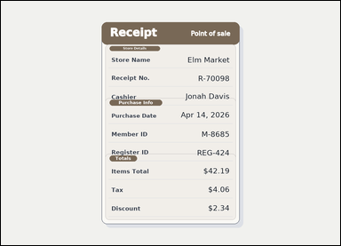 | 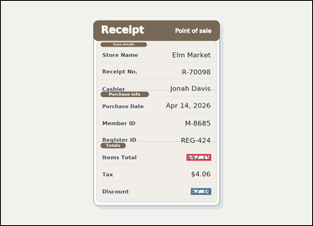 | task_documents_arithmetic_section_expression_value | difference_two_amounts_in_section | Read the named sections in this document: a receipt-style document with visible section headers and labeled totals rows. Find the named section and then answer: In the Totals section, what is Items Total minus Discount? Return the amount as $0.00. Compute the exact amount from the shown values. Return a valid JSON object with keys "evidence" and "answer" in that order. Evidence rule: set "evidence" to an array containing one bounding box for each referenced operand value, in the same order as the expression in the prompt. Answer rule: set "answer" to the computed amount formatted exactly as $0.00. Example JSON: {"evidence":[[150,260,364,294],[150,320,364,354]],"answer":"$42.50"} | Read the named sections in this document: a receipt-style document with visible section headers and labeled totals rows. Find the named section and then answer: In the Totals section, what is Items Total minus Discount? Return the amount as $0.00. Compute the exact amount from the shown values. Return a valid JSON object with key "answer". Answer: set "answer" to the computed amount formatted exactly as $0.00. Example JSON: {"answer":"$42.50"} | {"evidence": [[763.0, 628.5, 864.0, 655.5], [781.0, 768.5, 864.0, 795.5]], "answer": "$39.85"} | [[763.0, 628.5, 864.0, 655.5], [781.0, 768.5, 864.0, 795.5]] | string | bbox_set | 200119639823004 | documents/task_documents_arithmetic_section_expression_value/images/difference_two_amounts_in_section/0000.png | documents/task_documents_arithmetic_section_expression_value/data/difference_two_amounts_in_section/0000.json
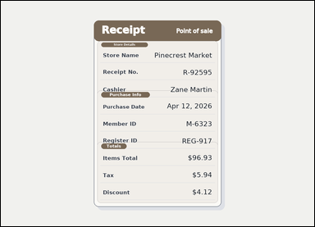 | 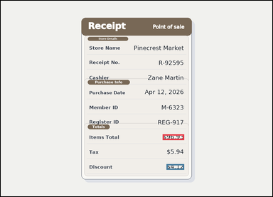 | task_documents_arithmetic_section_expression_value | difference_two_amounts_in_section | The image shows a receipt-style document with visible section headers and labeled totals rows. Find the named section and then answer: In the Totals section, what is Items Total minus Discount? Return the amount as $0.00. Compute the exact amount from the shown values. Return a valid JSON object with keys "evidence" and "answer" in that order. Evidence field: set "evidence" to an array containing one bounding box for each referenced operand value, in the same order as the expression in the prompt. Answer field: set "answer" to the computed amount formatted exactly as $0.00. Example JSON: {"evidence":[[150,260,364,294],[150,320,364,354]],"answer":"$42.50"} | The image shows a receipt-style document with visible section headers and labeled totals rows. Find the named section and then answer: In the Totals section, what is Items Total minus Discount? Return the amount as $0.00. Compute the exact amount from the shown values. Return a valid JSON object with key "answer". Answer requirement: set "answer" to the computed amount formatted exactly as $0.00. Example JSON: {"answer":"$42.50"} | {"evidence": [[763.0, 628.5, 864.0, 655.5], [781.0, 768.5, 864.0, 795.5]], "answer": "$92.81"} | [[763.0, 628.5, 864.0, 655.5], [781.0, 768.5, 864.0, 795.5]] | string | bbox_set | 240439133295176 | documents/task_documents_arithmetic_section_expression_value/images/difference_two_amounts_in_section/0010.png | documents/task_documents_arithmetic_section_expression_value/data/difference_two_amounts_in_section/0010.json
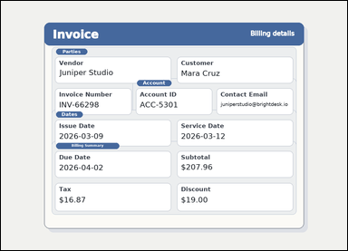 | 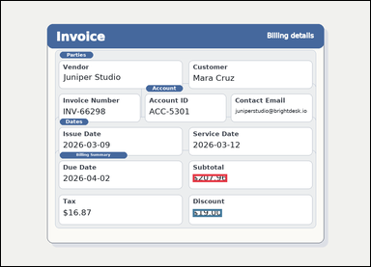 | task_documents_arithmetic_section_expression_value | difference_two_amounts_in_section | Use the structured document in the image: an invoice with visible named sections, labeled header fields, and summary blocks. In the Billing Summary section, what is Subtotal minus Discount? Return the amount as $0.00. Return the computed amount in the same currency format. Return a valid JSON object with keys "evidence" and "answer" in that order. Evidence format: set "evidence" to an array containing one bounding box for each referenced operand value, in the same order as the expression in the prompt. Answer requirement: set "answer" to the computed amount formatted exactly as $0.00. Example JSON: {"evidence":[[150,260,364,294],[150,320,364,354]],"answer":"$42.50"} | Use the structured document in the image: an invoice with visible named sections, labeled header fields, and summary blocks. In the Billing Summary section, what is Subtotal minus Discount? Return the amount as $0.00. Return the computed amount in the same currency format. Return a valid JSON object with key "answer". Answer requirement: set "answer" to the computed amount formatted exactly as $0.00. Example JSON: {"answer":"$42.50"} | {"evidence": [[665.0, 601.5, 784.0, 628.5], [665.0, 722.5, 766.0, 749.5]], "answer": "$188.96"} | [[665.0, 601.5, 784.0, 628.5], [665.0, 722.5, 766.0, 749.5]] | string | bbox_set | 492826604963131 | documents/task_documents_arithmetic_section_expression_value/images/difference_two_amounts_in_section/0001.png | documents/task_documents_arithmetic_section_expression_value/data/difference_two_amounts_in_section/0001.json
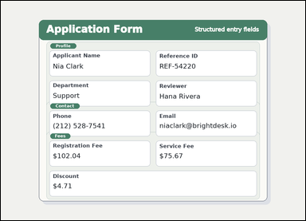 | 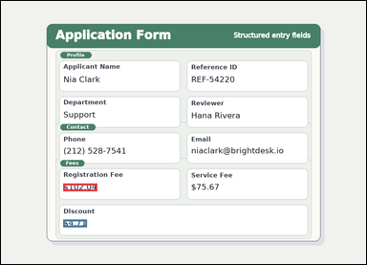 | task_documents_arithmetic_section_expression_value | difference_two_amounts_in_section | Look at the document in the image: a structured application form with visible section headers and labeled fields. Find the named section and then answer: In the Fees section, what is Registration Fee minus Discount? Return the amount as $0.00. Respond with the exact amount obtained from the visible values. Return a valid JSON object with keys "evidence" and "answer" in that order. Evidence field: set "evidence" to an array containing one bounding box for each referenced operand value, in the same order as the expression in the prompt. Answer field: set "answer" to the computed amount formatted exactly as $0.00. Example JSON: {"evidence":[[150,260,364,294],[150,320,364,354]],"answer":"$42.50"} | Look at the document in the image: a structured application form with visible section headers and labeled fields. Find the named section and then answer: In the Fees section, what is Registration Fee minus Discount? Return the amount as $0.00. Respond with the exact amount obtained from the visible values. Return a valid JSON object with key "answer". Answer rule: set "answer" to the computed amount formatted exactly as $0.00. Example JSON: {"answer":"$42.50"} | {"evidence": [[218.0, 638.5, 337.0, 665.5], [218.0, 764.5, 301.0, 791.5]], "answer": "$97.33"} | [[218.0, 638.5, 337.0, 665.5], [218.0, 764.5, 301.0, 791.5]] | string | bbox_set | 507348000401628 | documents/task_documents_arithmetic_section_expression_value/images/difference_two_amounts_in_section/0014.png | documents/task_documents_arithmetic_section_expression_value/data/difference_two_amounts_in_section/0014.json
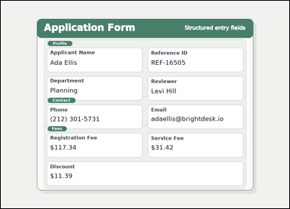 | 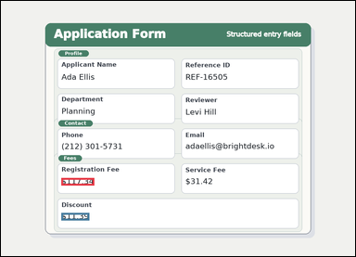 | task_documents_arithmetic_section_expression_value | difference_two_amounts_in_section | Use the structured document in the image: a structured application form with visible section headers and labeled fields. In the Fees section, what is Registration Fee minus Discount? Return the amount as $0.00. Respond with the exact amount obtained from the visible values. Return a valid JSON object with keys "evidence" and "answer" in that order. Evidence field: set "evidence" to an array containing one bounding box for each referenced operand value, in the same order as the expression in the prompt. Answer field: set "answer" to the computed amount formatted exactly as $0.00. Example JSON: {"evidence":[[150,260,364,294],[150,320,364,354]],"answer":"$42.50"} | Use the structured document in the image: a structured application form with visible section headers and labeled fields. In the Fees section, what is Registration Fee minus Discount? Return the amount as $0.00. Respond with the exact amount obtained from the visible values. Return a valid JSON object with key "answer". Answer format: set "answer" to the computed amount formatted exactly as $0.00. Example JSON: {"answer":"$42.50"} | {"evidence": [[218.0, 638.5, 337.0, 665.5], [218.0, 764.5, 319.0, 791.5]], "answer": "$105.95"} | [[218.0, 638.5, 337.0, 665.5], [218.0, 764.5, 319.0, 791.5]] | string | bbox_set | 607886527956488 | documents/task_documents_arithmetic_section_expression_value/images/difference_two_amounts_in_section/0017.png | documents/task_documents_arithmetic_section_expression_value/data/difference_two_amounts_in_section/0017.json
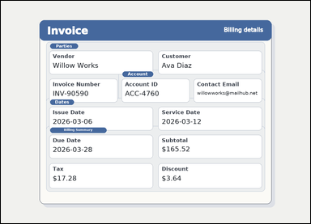 |  | task_documents_arithmetic_section_expression_value | difference_two_amounts_in_section | You are given an invoice with visible named sections, labeled header fields, and summary blocks. Use the visible section headers and values to answer: In the Billing Summary section, what is Subtotal minus Discount? Return the amount as $0.00. Respond with the exact amount obtained from the visible values. Return a valid JSON object with keys "evidence" and "answer" in that order. Evidence rule: set "evidence" to an array containing one bounding box for each referenced operand value, in the same order as the expression in the prompt. Answer rule: set "answer" to the computed amount formatted exactly as $0.00. Example JSON: {"evidence":[[150,260,364,294],[150,320,364,354]],"answer":"$42.50"} | You are given an invoice with visible named sections, labeled header fields, and summary blocks. Use the visible section headers and values to answer: In the Billing Summary section, what is Subtotal minus Discount? Return the amount as $0.00. Respond with the exact amount obtained from the visible values. Return a valid JSON object with key "answer". Answer requirement: set "answer" to the computed amount formatted exactly as $0.00. Example JSON: {"answer":"$42.50"} | {"evidence": [[665.0, 601.5, 784.0, 628.5], [665.0, 722.5, 748.0, 749.5]], "answer": "$161.88"} | [[665.0, 601.5, 784.0, 628.5], [665.0, 722.5, 748.0, 749.5]] | string | bbox_set | 1.4848496631E+15 | documents/task_documents_arithmetic_section_expression_value/images/difference_two_amounts_in_section/0020.png | documents/task_documents_arithmetic_section_expression_value/data/difference_two_amounts_in_section/0020.json
 |  | task_documents_arithmetic_section_expression_value | difference_two_amounts_in_section | Read the named sections in this document: an invoice with visible named sections, labeled header fields, and summary blocks. Locate the relevant section before computing the answer: In the Billing Summary section, what is Subtotal minus Discount? Return the amount as $0.00. Answer using the resulting amount only. Return a valid JSON object with keys "evidence" and "answer" in that order. Evidence field: set "evidence" to an array containing one bounding box for each referenced operand value, in the same order as the expression in the prompt. Answer field: set "answer" to the computed amount formatted exactly as $0.00. Example JSON: {"evidence":[[150,260,364,294],[150,320,364,354]],"answer":"$42.50"} | Read the named sections in this document: an invoice with visible named sections, labeled header fields, and summary blocks. Locate the relevant section before computing the answer: In the Billing Summary section, what is Subtotal minus Discount? Return the amount as $0.00. Answer using the resulting amount only. Return a valid JSON object with key "answer". Answer: set "answer" to the computed amount formatted exactly as $0.00. Example JSON: {"answer":"$42.50"} | {"evidence": [[665.0, 601.5, 784.0, 628.5], [665.0, 722.5, 766.0, 749.5]], "answer": "$154.04"} | [[665.0, 601.5, 784.0, 628.5], [665.0, 722.5, 766.0, 749.5]] | string | bbox_set | 1.897585243E+15 | documents/task_documents_arithmetic_section_expression_value/images/difference_two_amounts_in_section/0004.png | documents/task_documents_arithmetic_section_expression_value/data/difference_two_amounts_in_section/0004.json
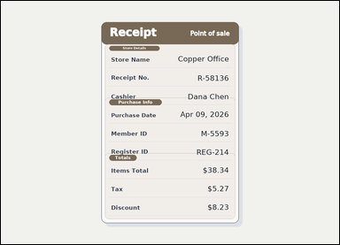 |  | task_documents_arithmetic_section_expression_value | difference_two_amounts_in_section | Use the structured document in the image: a receipt-style document with visible section headers and labeled totals rows. Use the visible section headers and values to answer: In the Totals section, what is Items Total minus Discount? Return the amount as $0.00. Compute the exact amount from the shown values. Return a valid JSON object with keys "evidence" and "answer" in that order. Evidence requirement: set "evidence" to an array containing one bounding box for each referenced operand value, in the same order as the expression in the prompt. Answer format: set "answer" to the computed amount formatted exactly as $0.00. Example JSON: {"evidence":[[150,260,364,294],[150,320,364,354]],"answer":"$42.50"} | Use the structured document in the image: a receipt-style document with visible section headers and labeled totals rows. Use the visible section headers and values to answer: In the Totals section, what is Items Total minus Discount? Return the amount as $0.00. Compute the exact amount from the shown values. Return a valid JSON object with key "answer". Answer field: set "answer" to the computed amount formatted exactly as $0.00. Example JSON: {"answer":"$42.50"} | {"evidence": [[763.0, 628.5, 864.0, 655.5], [781.0, 768.5, 864.0, 795.5]], "answer": "$30.11"} | [[763.0, 628.5, 864.0, 655.5], [781.0, 768.5, 864.0, 795.5]] | string | bbox_set | 2.1315998772E+15 | documents/task_documents_arithmetic_section_expression_value/images/difference_two_amounts_in_section/0018.png | documents/task_documents_arithmetic_section_expression_value/data/difference_two_amounts_in_section/0018.json
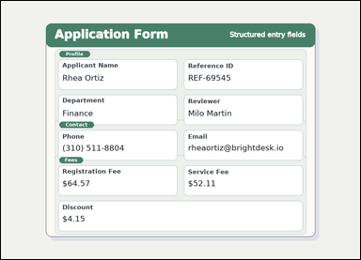 | 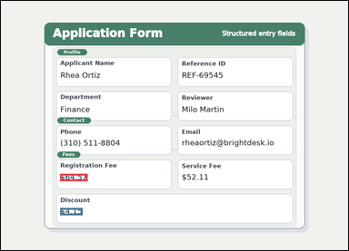 | task_documents_arithmetic_section_expression_value | difference_two_amounts_in_section | Look at the document in the image: a structured application form with visible section headers and labeled fields. Locate the relevant section before computing the answer: In the Fees section, what is Registration Fee minus Discount? Return the amount as $0.00. Compute the exact amount from the shown values. Return a valid JSON object with keys "evidence" and "answer" in that order. Evidence field: set "evidence" to an array containing one bounding box for each referenced operand value, in the same order as the expression in the prompt. Answer field: set "answer" to the computed amount formatted exactly as $0.00. Example JSON: {"evidence":[[150,260,364,294],[150,320,364,354]],"answer":"$42.50"} | Look at the document in the image: a structured application form with visible section headers and labeled fields. Locate the relevant section before computing the answer: In the Fees section, what is Registration Fee minus Discount? Return the amount as $0.00. Compute the exact amount from the shown values. Return a valid JSON object with key "answer". Answer format: set "answer" to the computed amount formatted exactly as $0.00. Example JSON: {"answer":"$42.50"} | {"evidence": [[218.0, 638.5, 319.0, 665.5], [218.0, 764.5, 301.0, 791.5]], "answer": "$60.42"} | [[218.0, 638.5, 319.0, 665.5], [218.0, 764.5, 301.0, 791.5]] | string | bbox_set | 2.3527885279E+15 | documents/task_documents_arithmetic_section_expression_value/images/difference_two_amounts_in_section/0015.png | documents/task_documents_arithmetic_section_expression_value/data/difference_two_amounts_in_section/0015.json
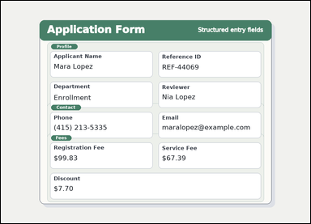 | 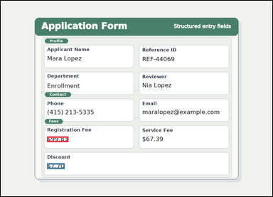 | task_documents_arithmetic_section_expression_value | difference_two_amounts_in_section | Read the named sections in this document: a structured application form with visible section headers and labeled fields. Find the named section and then answer: In the Fees section, what is Registration Fee minus Discount? Return the amount as $0.00. Compute the exact amount from the shown values. Return a valid JSON object with keys "evidence" and "answer" in that order. Evidence field: set "evidence" to an array containing one bounding box for each referenced operand value, in the same order as the expression in the prompt. Answer field: set "answer" to the computed amount formatted exactly as $0.00. Example JSON: {"evidence":[[150,260,364,294],[150,320,364,354]],"answer":"$42.50"} | Read the named sections in this document: a structured application form with visible section headers and labeled fields. Find the named section and then answer: In the Fees section, what is Registration Fee minus Discount? Return the amount as $0.00. Compute the exact amount from the shown values. Return a valid JSON object with key "answer". Answer format: set "answer" to the computed amount formatted exactly as $0.00. Example JSON: {"answer":"$42.50"} | {"evidence": [[218.0, 638.5, 319.0, 665.5], [218.0, 764.5, 301.0, 791.5]], "answer": "$92.13"} | [[218.0, 638.5, 319.0, 665.5], [218.0, 764.5, 301.0, 791.5]] | string | bbox_set | 2.5001549379E+15 | documents/task_documents_arithmetic_section_expression_value/images/difference_two_amounts_in_section/0023.png | documents/task_documents_arithmetic_section_expression_value/data/difference_two_amounts_in_section/0023.json
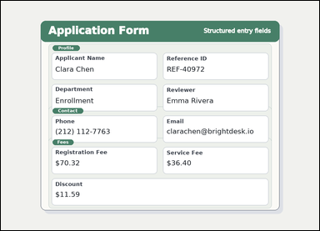 | 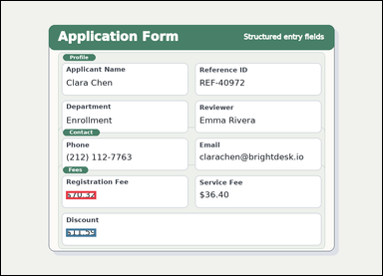 | task_documents_arithmetic_section_expression_value | difference_two_amounts_in_section | Look at the document in the image: a structured application form with visible section headers and labeled fields. In the Fees section, what is Registration Fee minus Discount? Return the amount as $0.00. Respond with the exact amount obtained from the visible values. Return a valid JSON object with keys "evidence" and "answer" in that order. Evidence field: set "evidence" to an array containing one bounding box for each referenced operand value, in the same order as the expression in the prompt. Answer field: set "answer" to the computed amount formatted exactly as $0.00. Example JSON: {"evidence":[[150,260,364,294],[150,320,364,354]],"answer":"$42.50"} | Look at the document in the image: a structured application form with visible section headers and labeled fields. In the Fees section, what is Registration Fee minus Discount? Return the amount as $0.00. Respond with the exact amount obtained from the visible values. Return a valid JSON object with key "answer". Answer field: set "answer" to the computed amount formatted exactly as $0.00. Example JSON: {"answer":"$42.50"} | {"evidence": [[218.0, 638.5, 319.0, 665.5], [218.0, 764.5, 319.0, 791.5]], "answer": "$58.73"} | [[218.0, 638.5, 319.0, 665.5], [218.0, 764.5, 319.0, 791.5]] | string | bbox_set | 2.7889069964E+15 | documents/task_documents_arithmetic_section_expression_value/images/difference_two_amounts_in_section/0013.png | documents/task_documents_arithmetic_section_expression_value/data/difference_two_amounts_in_section/0013.json
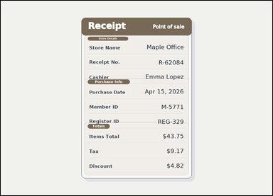 |  | task_documents_arithmetic_section_expression_value | difference_two_amounts_in_section | Look at the document in the image: a receipt-style document with visible section headers and labeled totals rows. In the Totals section, what is Items Total minus Discount? Return the amount as $0.00. Answer using the resulting amount only. Return a valid JSON object with keys "evidence" and "answer" in that order. Evidence rule: set "evidence" to an array containing one bounding box for each referenced operand value, in the same order as the expression in the prompt. Answer rule: set "answer" to the computed amount formatted exactly as $0.00. Example JSON: {"evidence":[[150,260,364,294],[150,320,364,354]],"answer":"$42.50"} | Look at the document in the image: a receipt-style document with visible section headers and labeled totals rows. In the Totals section, what is Items Total minus Discount? Return the amount as $0.00. Answer using the resulting amount only. Return a valid JSON object with key "answer". Answer: set "answer" to the computed amount formatted exactly as $0.00. Example JSON: {"answer":"$42.50"} | {"evidence": [[763.0, 628.5, 864.0, 655.5], [781.0, 768.5, 864.0, 795.5]], "answer": "$38.93"} | [[763.0, 628.5, 864.0, 655.5], [781.0, 768.5, 864.0, 795.5]] | string | bbox_set | 2.9232177561E+15 | documents/task_documents_arithmetic_section_expression_value/images/difference_two_amounts_in_section/0019.png | documents/task_documents_arithmetic_section_expression_value/data/difference_two_amounts_in_section/0019.json
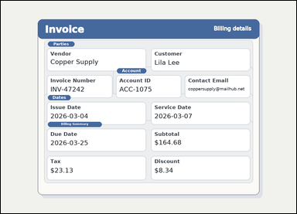 |  | task_documents_arithmetic_section_expression_value | difference_two_amounts_in_section | Read the named sections in this document: an invoice with visible named sections, labeled header fields, and summary blocks. Read the document and answer this question: In the Billing Summary section, what is Subtotal minus Discount? Return the amount as $0.00. Answer using the resulting amount only. Return a valid JSON object with keys "evidence" and "answer" in that order. Evidence rule: set "evidence" to an array containing one bounding box for each referenced operand value, in the same order as the expression in the prompt. Answer rule: set "answer" to the computed amount formatted exactly as $0.00. Example JSON: {"evidence":[[150,260,364,294],[150,320,364,354]],"answer":"$42.50"} | Read the named sections in this document: an invoice with visible named sections, labeled header fields, and summary blocks. Read the document and answer this question: In the Billing Summary section, what is Subtotal minus Discount? Return the amount as $0.00. Answer using the resulting amount only. Return a valid JSON object with key "answer". Answer: set "answer" to the computed amount formatted exactly as $0.00. Example JSON: {"answer":"$42.50"} | {"evidence": [[665.0, 601.5, 784.0, 628.5], [665.0, 722.5, 748.0, 749.5]], "answer": "$156.34"} | [[665.0, 601.5, 784.0, 628.5], [665.0, 722.5, 748.0, 749.5]] | string | bbox_set | 3.6255310771E+15 | documents/task_documents_arithmetic_section_expression_value/images/difference_two_amounts_in_section/0024.png | documents/task_documents_arithmetic_section_expression_value/data/difference_two_amounts_in_section/0024.json
 |  | task_documents_arithmetic_section_expression_value | difference_two_amounts_in_section | Read the named sections in this document: an invoice with visible named sections, labeled header fields, and summary blocks. In the Billing Summary section, what is Subtotal minus Discount? Return the amount as $0.00. Give the computed amount as written in $0.00 format. Return a valid JSON object with keys "evidence" and "answer" in that order. Evidence: set "evidence" to an array containing one bounding box for each referenced operand value, in the same order as the expression in the prompt. Answer: set "answer" to the computed amount formatted exactly as $0.00. Example JSON: {"evidence":[[150,260,364,294],[150,320,364,354]],"answer":"$42.50"} | Read the named sections in this document: an invoice with visible named sections, labeled header fields, and summary blocks. In the Billing Summary section, what is Subtotal minus Discount? Return the amount as $0.00. Give the computed amount as written in $0.00 format. Return a valid JSON object with key "answer". Answer rule: set "answer" to the computed amount formatted exactly as $0.00. Example JSON: {"answer":"$42.50"} | {"evidence": [[665.0, 601.5, 784.0, 628.5], [665.0, 722.5, 748.0, 749.5]], "answer": "$198.06"} | [[665.0, 601.5, 784.0, 628.5], [665.0, 722.5, 748.0, 749.5]] | string | bbox_set | 3.7921263402E+15 | documents/task_documents_arithmetic_section_expression_value/images/difference_two_amounts_in_section/0021.png | documents/task_documents_arithmetic_section_expression_value/data/difference_two_amounts_in_section/0021.json
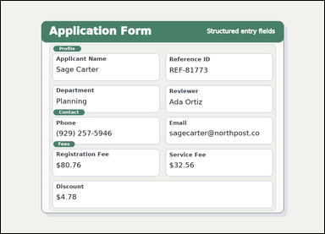 | 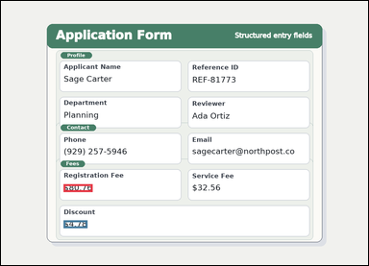 | task_documents_arithmetic_section_expression_value | difference_two_amounts_in_section | The image shows a structured application form with visible section headers and labeled fields. Use the visible section headers and values to answer: In the Fees section, what is Registration Fee minus Discount? Return the amount as $0.00. Compute the exact amount from the shown values. Return a valid JSON object with keys "evidence" and "answer" in that order. Evidence requirement: set "evidence" to an array containing one bounding box for each referenced operand value, in the same order as the expression in the prompt. Answer format: set "answer" to the computed amount formatted exactly as $0.00. Example JSON: {"evidence":[[150,260,364,294],[150,320,364,354]],"answer":"$42.50"} | The image shows a structured application form with visible section headers and labeled fields. Use the visible section headers and values to answer: In the Fees section, what is Registration Fee minus Discount? Return the amount as $0.00. Compute the exact amount from the shown values. Return a valid JSON object with key "answer". Answer format: set "answer" to the computed amount formatted exactly as $0.00. Example JSON: {"answer":"$42.50"} | {"evidence": [[218.0, 638.5, 319.0, 665.5], [218.0, 764.5, 301.0, 791.5]], "answer": "$75.98"} | [[218.0, 638.5, 319.0, 665.5], [218.0, 764.5, 301.0, 791.5]] | string | bbox_set | 4.1174906508E+15 | documents/task_documents_arithmetic_section_expression_value/images/difference_two_amounts_in_section/0003.png | documents/task_documents_arithmetic_section_expression_value/data/difference_two_amounts_in_section/0003.json
 |  | task_documents_arithmetic_section_expression_value | difference_two_amounts_in_section | The image shows a structured application form with visible section headers and labeled fields. Read the document and answer this question: In the Fees section, what is Registration Fee minus Discount? Return the amount as $0.00. Give the computed amount as written in $0.00 format. Return a valid JSON object with keys "evidence" and "answer" in that order. Evidence rule: set "evidence" to an array containing one bounding box for each referenced operand value, in the same order as the expression in the prompt. Answer rule: set "answer" to the computed amount formatted exactly as $0.00. Example JSON: {"evidence":[[150,260,364,294],[150,320,364,354]],"answer":"$42.50"} | The image shows a structured application form with visible section headers and labeled fields. Read the document and answer this question: In the Fees section, what is Registration Fee minus Discount? Return the amount as $0.00. Give the computed amount as written in $0.00 format. Return a valid JSON object with key "answer". Answer format: set "answer" to the computed amount formatted exactly as $0.00. Example JSON: {"answer":"$42.50"} | {"evidence": [[218.0, 638.5, 337.0, 665.5], [218.0, 764.5, 301.0, 791.5]], "answer": "$101.89"} | [[218.0, 638.5, 337.0, 665.5], [218.0, 764.5, 301.0, 791.5]] | string | bbox_set | 4.3059999221E+15 | documents/task_documents_arithmetic_section_expression_value/images/difference_two_amounts_in_section/0002.png | documents/task_documents_arithmetic_section_expression_value/data/difference_two_amounts_in_section/0002.json
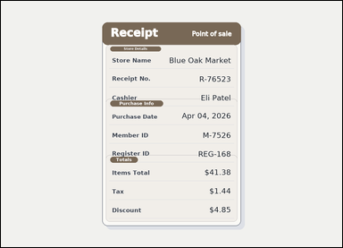 |  | task_documents_arithmetic_section_expression_value | difference_two_amounts_in_section | You are given a receipt-style document with visible section headers and labeled totals rows. Find the named section and then answer: In the Totals section, what is Items Total minus Discount? Return the amount as $0.00. Answer using the resulting amount only. Return a valid JSON object with keys "evidence" and "answer" in that order. Evidence requirement: set "evidence" to an array containing one bounding box for each referenced operand value, in the same order as the expression in the prompt. Answer format: set "answer" to the computed amount formatted exactly as $0.00. Example JSON: {"evidence":[[150,260,364,294],[150,320,364,354]],"answer":"$42.50"} | You are given a receipt-style document with visible section headers and labeled totals rows. Find the named section and then answer: In the Totals section, what is Items Total minus Discount? Return the amount as $0.00. Answer using the resulting amount only. Return a valid JSON object with key "answer". Answer: set "answer" to the computed amount formatted exactly as $0.00. Example JSON: {"answer":"$42.50"} | {"evidence": [[763.0, 628.5, 864.0, 655.5], [781.0, 768.5, 864.0, 795.5]], "answer": "$36.53"} | [[763.0, 628.5, 864.0, 655.5], [781.0, 768.5, 864.0, 795.5]] | string | bbox_set | 4.3495612423E+15 | documents/task_documents_arithmetic_section_expression_value/images/difference_two_amounts_in_section/0008.png | documents/task_documents_arithmetic_section_expression_value/data/difference_two_amounts_in_section/0008.json
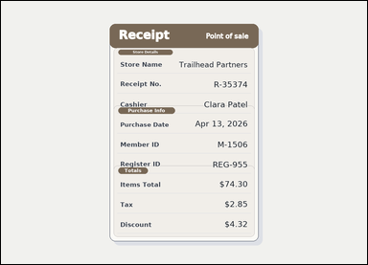 |  | task_documents_arithmetic_section_expression_value | difference_two_amounts_in_section | Look at the document in the image: a receipt-style document with visible section headers and labeled totals rows. In the Totals section, what is Items Total minus Discount? Return the amount as $0.00. Give the computed amount as written in $0.00 format. Return a valid JSON object with keys "evidence" and "answer" in that order. Evidence field: set "evidence" to an array containing one bounding box for each referenced operand value, in the same order as the expression in the prompt. Answer field: set "answer" to the computed amount formatted exactly as $0.00. Example JSON: {"evidence":[[150,260,364,294],[150,320,364,354]],"answer":"$42.50"} | Look at the document in the image: a receipt-style document with visible section headers and labeled totals rows. In the Totals section, what is Items Total minus Discount? Return the amount as $0.00. Give the computed amount as written in $0.00 format. Return a valid JSON object with key "answer". Answer field: set "answer" to the computed amount formatted exactly as $0.00. Example JSON: {"answer":"$42.50"} | {"evidence": [[763.0, 628.5, 864.0, 655.5], [781.0, 768.5, 864.0, 795.5]], "answer": "$69.98"} | [[763.0, 628.5, 864.0, 655.5], [781.0, 768.5, 864.0, 795.5]] | string | bbox_set | 5.2199631158E+15 | documents/task_documents_arithmetic_section_expression_value/images/difference_two_amounts_in_section/0016.png | documents/task_documents_arithmetic_section_expression_value/data/difference_two_amounts_in_section/0016.json
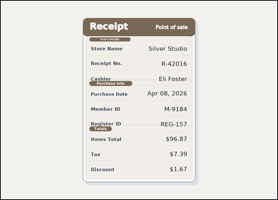 | 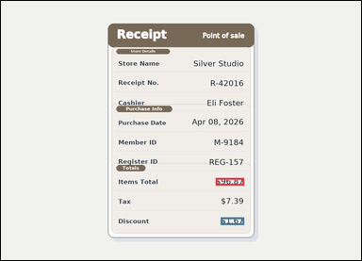 | task_documents_arithmetic_section_expression_value | difference_two_amounts_in_section | Read the named sections in this document: a receipt-style document with visible section headers and labeled totals rows. Find the named section and then answer: In the Totals section, what is Items Total minus Discount? Return the amount as $0.00. Answer using the resulting amount only. Return a valid JSON object with keys "evidence" and "answer" in that order. Evidence format: set "evidence" to an array containing one bounding box for each referenced operand value, in the same order as the expression in the prompt. Answer requirement: set "answer" to the computed amount formatted exactly as $0.00. Example JSON: {"evidence":[[150,260,364,294],[150,320,364,354]],"answer":"$42.50"} | Read the named sections in this document: a receipt-style document with visible section headers and labeled totals rows. Find the named section and then answer: In the Totals section, what is Items Total minus Discount? Return the amount as $0.00. Answer using the resulting amount only. Return a valid JSON object with key "answer". Answer rule: set "answer" to the computed amount formatted exactly as $0.00. Example JSON: {"answer":"$42.50"} | {"evidence": [[763.0, 628.5, 864.0, 655.5], [781.0, 768.5, 864.0, 795.5]], "answer": "$95.20"} | [[763.0, 628.5, 864.0, 655.5], [781.0, 768.5, 864.0, 795.5]] | string | bbox_set | 5.5787098588E+15 | documents/task_documents_arithmetic_section_expression_value/images/difference_two_amounts_in_section/0009.png | documents/task_documents_arithmetic_section_expression_value/data/difference_two_amounts_in_section/0009.json
 |  | task_documents_arithmetic_section_expression_value | difference_two_amounts_in_section | You are given an invoice with visible named sections, labeled header fields, and summary blocks. In the Billing Summary section, what is Subtotal minus Discount? Return the amount as $0.00. Compute the exact amount from the shown values. Return a valid JSON object with keys "evidence" and "answer" in that order. Evidence: set "evidence" to an array containing one bounding box for each referenced operand value, in the same order as the expression in the prompt. Answer: set "answer" to the computed amount formatted exactly as $0.00. Example JSON: {"evidence":[[150,260,364,294],[150,320,364,354]],"answer":"$42.50"} | You are given an invoice with visible named sections, labeled header fields, and summary blocks. In the Billing Summary section, what is Subtotal minus Discount? Return the amount as $0.00. Compute the exact amount from the shown values. Return a valid JSON object with key "answer". Answer field: set "answer" to the computed amount formatted exactly as $0.00. Example JSON: {"answer":"$42.50"} | {"evidence": [[665.0, 601.5, 784.0, 628.5], [665.0, 722.5, 766.0, 749.5]], "answer": "$225.67"} | [[665.0, 601.5, 784.0, 628.5], [665.0, 722.5, 766.0, 749.5]] | string | bbox_set | 5.6740953111E+15 | documents/task_documents_arithmetic_section_expression_value/images/difference_two_amounts_in_section/0012.png | documents/task_documents_arithmetic_section_expression_value/data/difference_two_amounts_in_section/0012.json
 |  | task_documents_arithmetic_section_expression_value | difference_two_amounts_in_section | You are given a structured application form with visible section headers and labeled fields. Use the visible section headers and values to answer: In the Fees section, what is Registration Fee minus Discount? Return the amount as $0.00. Return the computed amount in the same currency format. Return a valid JSON object with keys "evidence" and "answer" in that order. Evidence requirement: set "evidence" to an array containing one bounding box for each referenced operand value, in the same order as the expression in the prompt. Answer format: set "answer" to the computed amount formatted exactly as $0.00. Example JSON: {"evidence":[[150,260,364,294],[150,320,364,354]],"answer":"$42.50"} | You are given a structured application form with visible section headers and labeled fields. Use the visible section headers and values to answer: In the Fees section, what is Registration Fee minus Discount? Return the amount as $0.00. Return the computed amount in the same currency format. Return a valid JSON object with key "answer". Answer: set "answer" to the computed amount formatted exactly as $0.00. Example JSON: {"answer":"$42.50"} | {"evidence": [[218.0, 638.5, 337.0, 665.5], [218.0, 764.5, 301.0, 791.5]], "answer": "$107.65"} | [[218.0, 638.5, 337.0, 665.5], [218.0, 764.5, 301.0, 791.5]] | string | bbox_set | 6.9456136518E+15 | documents/task_documents_arithmetic_section_expression_value/images/difference_two_amounts_in_section/0022.png | documents/task_documents_arithmetic_section_expression_value/data/difference_two_amounts_in_section/0022.json
 |  | task_documents_arithmetic_section_expression_value | difference_two_amounts_in_section | Use the structured document in the image: a structured application form with visible section headers and labeled fields. In the Fees section, what is Registration Fee minus Discount? Return the amount as $0.00. Give the computed amount as written in $0.00 format. Return a valid JSON object with keys "evidence" and "answer" in that order. Evidence: set "evidence" to an array containing one bounding box for each referenced operand value, in the same order as the expression in the prompt. Answer: set "answer" to the computed amount formatted exactly as $0.00. Example JSON: {"evidence":[[150,260,364,294],[150,320,364,354]],"answer":"$42.50"} | Use the structured document in the image: a structured application form with visible section headers and labeled fields. In the Fees section, what is Registration Fee minus Discount? Return the amount as $0.00. Give the computed amount as written in $0.00 format. Return a valid JSON object with key "answer". Answer requirement: set "answer" to the computed amount formatted exactly as $0.00. Example JSON: {"answer":"$42.50"} | {"evidence": [[218.0, 638.5, 319.0, 665.5], [218.0, 764.5, 301.0, 791.5]], "answer": "$78.13"} | [[218.0, 638.5, 319.0, 665.5], [218.0, 764.5, 301.0, 791.5]] | string | bbox_set | 7.0220516306E+15 | documents/task_documents_arithmetic_section_expression_value/images/difference_two_amounts_in_section/0006.png | documents/task_documents_arithmetic_section_expression_value/data/difference_two_amounts_in_section/0006.json
 |  | task_documents_arithmetic_section_expression_value | difference_two_amounts_in_section | You are given an invoice with visible named sections, labeled header fields, and summary blocks. Locate the relevant section before computing the answer: In the Billing Summary section, what is Subtotal minus Discount? Return the amount as $0.00. Return the computed amount in the same currency format. Return a valid JSON object with keys "evidence" and "answer" in that order. Evidence: set "evidence" to an array containing one bounding box for each referenced operand value, in the same order as the expression in the prompt. Answer: set "answer" to the computed amount formatted exactly as $0.00. Example JSON: {"evidence":[[150,260,364,294],[150,320,364,354]],"answer":"$42.50"} | You are given an invoice with visible named sections, labeled header fields, and summary blocks. Locate the relevant section before computing the answer: In the Billing Summary section, what is Subtotal minus Discount? Return the amount as $0.00. Return the computed amount in the same currency format. Return a valid JSON object with key "answer". Answer rule: set "answer" to the computed amount formatted exactly as $0.00. Example JSON: {"answer":"$42.50"} | {"evidence": [[665.0, 601.5, 784.0, 628.5], [665.0, 722.5, 766.0, 749.5]], "answer": "$243.78"} | [[665.0, 601.5, 784.0, 628.5], [665.0, 722.5, 766.0, 749.5]] | string | bbox_set | 7.0996438028E+15 | documents/task_documents_arithmetic_section_expression_value/images/difference_two_amounts_in_section/0011.png | documents/task_documents_arithmetic_section_expression_value/data/difference_two_amounts_in_section/0011.json
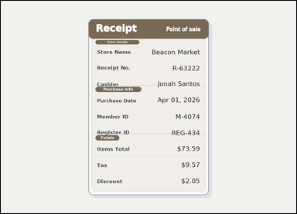 |  | task_documents_arithmetic_section_expression_value | difference_two_amounts_in_section | The image shows a receipt-style document with visible section headers and labeled totals rows. In the Totals section, what is Items Total minus Discount? Return the amount as $0.00. Give the computed amount as written in $0.00 format. Return a valid JSON object with keys "evidence" and "answer" in that order. Evidence field: set "evidence" to an array containing one bounding box for each referenced operand value, in the same order as the expression in the prompt. Answer field: set "answer" to the computed amount formatted exactly as $0.00. Example JSON: {"evidence":[[150,260,364,294],[150,320,364,354]],"answer":"$42.50"} | The image shows a receipt-style document with visible section headers and labeled totals rows. In the Totals section, what is Items Total minus Discount? Return the amount as $0.00. Give the computed amount as written in $0.00 format. Return a valid JSON object with key "answer". Answer rule: set "answer" to the computed amount formatted exactly as $0.00. Example JSON: {"answer":"$42.50"} | {"evidence": [[763.0, 628.5, 864.0, 655.5], [781.0, 768.5, 864.0, 795.5]], "answer": "$71.54"} | [[763.0, 628.5, 864.0, 655.5], [781.0, 768.5, 864.0, 795.5]] | string | bbox_set | 8.6125725917E+15 | documents/task_documents_arithmetic_section_expression_value/images/difference_two_amounts_in_section/0007.png | documents/task_documents_arithmetic_section_expression_value/data/difference_two_amounts_in_section/0007.json
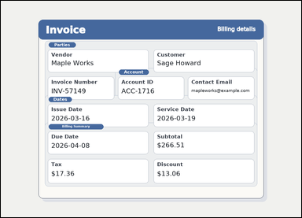 |  | task_documents_arithmetic_section_expression_value | difference_two_amounts_in_section | The image shows an invoice with visible named sections, labeled header fields, and summary blocks. Read the document and answer this question: In the Billing Summary section, what is Subtotal minus Discount? Return the amount as $0.00. Return the computed amount in the same currency format. Return a valid JSON object with keys "evidence" and "answer" in that order. Evidence requirement: set "evidence" to an array containing one bounding box for each referenced operand value, in the same order as the expression in the prompt. Answer format: set "answer" to the computed amount formatted exactly as $0.00. Example JSON: {"evidence":[[150,260,364,294],[150,320,364,354]],"answer":"$42.50"} | The image shows an invoice with visible named sections, labeled header fields, and summary blocks. Read the document and answer this question: In the Billing Summary section, what is Subtotal minus Discount? Return the amount as $0.00. Return the computed amount in the same currency format. Return a valid JSON object with key "answer". Answer field: set "answer" to the computed amount formatted exactly as $0.00. Example JSON: {"answer":"$42.50"} | {"evidence": [[665.0, 601.5, 784.0, 628.5], [665.0, 722.5, 766.0, 749.5]], "answer": "$253.45"} | [[665.0, 601.5, 784.0, 628.5], [665.0, 722.5, 766.0, 749.5]] | string | bbox_set | 8.7672155003E+15 | documents/task_documents_arithmetic_section_expression_value/images/difference_two_amounts_in_section/0005.png | documents/task_documents_arithmetic_section_expression_value/data/difference_two_amounts_in_section/0005.json

sum_minus_amount_in_section
image | evidence_image | task | task_variant | prompt | prompt_answer_only | answer | answer_evidence | answer_type | evidence_type | instance_seed | image_path | data_path
 | 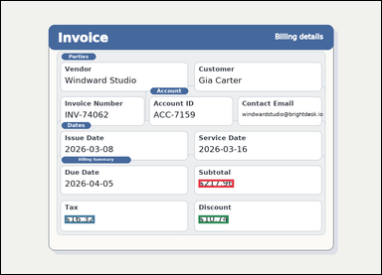 | task_documents_arithmetic_section_expression_value | sum_minus_amount_in_section | Use the structured document in the image: an invoice with visible named sections, labeled header fields, and summary blocks. Locate the relevant section before computing the answer: In the Billing Summary section, what is Subtotal plus Tax minus Discount? Return the amount as $0.00. Respond with the exact amount obtained from the visible values. Return a valid JSON object with keys "evidence" and "answer" in that order. Evidence: set "evidence" to an array containing one bounding box for each referenced operand value, in the same order as the expression in the prompt. Answer: set "answer" to the computed amount formatted exactly as $0.00. Example JSON: {"evidence":[[150,260,364,294],[150,320,364,354],[150,380,364,414]],"answer":"$133.30"} | Use the structured document in the image: an invoice with visible named sections, labeled header fields, and summary blocks. Locate the relevant section before computing the answer: In the Billing Summary section, what is Subtotal plus Tax minus Discount? Return the amount as $0.00. Respond with the exact amount obtained from the visible values. Return a valid JSON object with key "answer". Answer rule: set "answer" to the computed amount formatted exactly as $0.00. Example JSON: {"answer":"$133.30"} | {"evidence": [[665.0, 601.5, 784.0, 628.5], [214.0, 722.5, 315.0, 749.5], [665.0, 722.5, 766.0, 749.5]], "answer": "$223.54"} | [[665.0, 601.5, 784.0, 628.5], [214.0, 722.5, 315.0, 749.5], [665.0, 722.5, 766.0, 749.5]] | string | bbox_set | 35806346265413 | documents/task_documents_arithmetic_section_expression_value/images/sum_minus_amount_in_section/0010.png | documents/task_documents_arithmetic_section_expression_value/data/sum_minus_amount_in_section/0010.json
 | 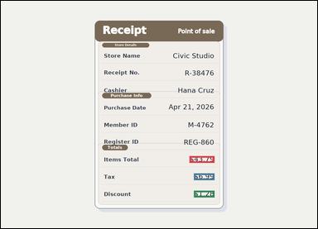 | task_documents_arithmetic_section_expression_value | sum_minus_amount_in_section | Use the structured document in the image: a receipt-style document with visible section headers and labeled totals rows. Read the document and answer this question: In the Totals section, what is Items Total plus Tax minus Discount? Return the amount as $0.00. Answer using the resulting amount only. Return a valid JSON object with keys "evidence" and "answer" in that order. Evidence requirement: set "evidence" to an array containing one bounding box for each referenced operand value, in the same order as the expression in the prompt. Answer format: set "answer" to the computed amount formatted exactly as $0.00. Example JSON: {"evidence":[[150,260,364,294],[150,320,364,354],[150,380,364,414]],"answer":"$133.30"} | Use the structured document in the image: a receipt-style document with visible section headers and labeled totals rows. Read the document and answer this question: In the Totals section, what is Items Total plus Tax minus Discount? Return the amount as $0.00. Answer using the resulting amount only. Return a valid JSON object with key "answer". Answer format: set "answer" to the computed amount formatted exactly as $0.00. Example JSON: {"answer":"$133.30"} | {"evidence": [[763.0, 628.5, 864.0, 655.5], [781.0, 698.5, 864.0, 725.5], [781.0, 768.5, 864.0, 795.5]], "answer": "$49.50"} | [[763.0, 628.5, 864.0, 655.5], [781.0, 698.5, 864.0, 725.5], [781.0, 768.5, 864.0, 795.5]] | string | bbox_set | 69880701457133 | documents/task_documents_arithmetic_section_expression_value/images/sum_minus_amount_in_section/0019.png | documents/task_documents_arithmetic_section_expression_value/data/sum_minus_amount_in_section/0019.json
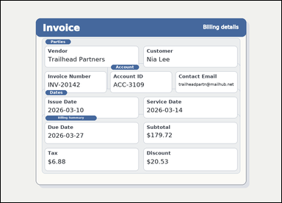 |  | task_documents_arithmetic_section_expression_value | sum_minus_amount_in_section | Look at the document in the image: an invoice with visible named sections, labeled header fields, and summary blocks. Use the visible section headers and values to answer: In the Billing Summary section, what is Subtotal plus Tax minus Discount? Return the amount as $0.00. Compute the exact amount from the shown values. Return a valid JSON object with keys "evidence" and "answer" in that order. Evidence requirement: set "evidence" to an array containing one bounding box for each referenced operand value, in the same order as the expression in the prompt. Answer format: set "answer" to the computed amount formatted exactly as $0.00. Example JSON: {"evidence":[[150,260,364,294],[150,320,364,354],[150,380,364,414]],"answer":"$133.30"} | Look at the document in the image: an invoice with visible named sections, labeled header fields, and summary blocks. Use the visible section headers and values to answer: In the Billing Summary section, what is Subtotal plus Tax minus Discount? Return the amount as $0.00. Compute the exact amount from the shown values. Return a valid JSON object with key "answer". Answer format: set "answer" to the computed amount formatted exactly as $0.00. Example JSON: {"answer":"$133.30"} | {"evidence": [[665.0, 601.5, 784.0, 628.5], [214.0, 722.5, 297.0, 749.5], [665.0, 722.5, 766.0, 749.5]], "answer": "$166.07"} | [[665.0, 601.5, 784.0, 628.5], [214.0, 722.5, 297.0, 749.5], [665.0, 722.5, 766.0, 749.5]] | string | bbox_set | 179537484972328 | documents/task_documents_arithmetic_section_expression_value/images/sum_minus_amount_in_section/0013.png | documents/task_documents_arithmetic_section_expression_value/data/sum_minus_amount_in_section/0013.json
 | 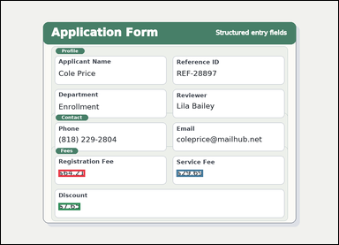 | task_documents_arithmetic_section_expression_value | sum_minus_amount_in_section | Look at the document in the image: a structured application form with visible section headers and labeled fields. Read the document and answer this question: In the Fees section, what is Registration Fee plus Service Fee minus Discount? Return the amount as $0.00. Answer using the resulting amount only. Return a valid JSON object with keys "evidence" and "answer" in that order. Evidence requirement: set "evidence" to an array containing one bounding box for each referenced operand value, in the same order as the expression in the prompt. Answer format: set "answer" to the computed amount formatted exactly as $0.00. Example JSON: {"evidence":[[150,260,364,294],[150,320,364,354],[150,380,364,414]],"answer":"$133.30"} | Look at the document in the image: a structured application form with visible section headers and labeled fields. Read the document and answer this question: In the Fees section, what is Registration Fee plus Service Fee minus Discount? Return the amount as $0.00. Answer using the resulting amount only. Return a valid JSON object with key "answer". Answer requirement: set "answer" to the computed amount formatted exactly as $0.00. Example JSON: {"answer":"$133.30"} | {"evidence": [[218.0, 638.5, 319.0, 665.5], [666.0, 638.5, 767.0, 665.5], [218.0, 764.5, 301.0, 791.5]], "answer": "$86.25"} | [[218.0, 638.5, 319.0, 665.5], [666.0, 638.5, 767.0, 665.5], [218.0, 764.5, 301.0, 791.5]] | string | bbox_set | 901607455386425 | documents/task_documents_arithmetic_section_expression_value/images/sum_minus_amount_in_section/0001.png | documents/task_documents_arithmetic_section_expression_value/data/sum_minus_amount_in_section/0001.json
 | 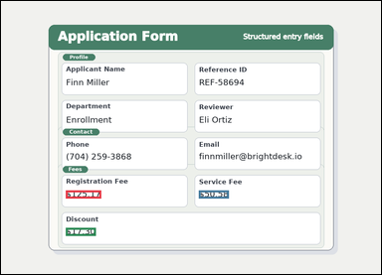 | task_documents_arithmetic_section_expression_value | sum_minus_amount_in_section | Read the named sections in this document: a structured application form with visible section headers and labeled fields. Use the visible section headers and values to answer: In the Fees section, what is Registration Fee plus Service Fee minus Discount? Return the amount as $0.00. Answer using the resulting amount only. Return a valid JSON object with keys "evidence" and "answer" in that order. Evidence requirement: set "evidence" to an array containing one bounding box for each referenced operand value, in the same order as the expression in the prompt. Answer format: set "answer" to the computed amount formatted exactly as $0.00. Example JSON: {"evidence":[[150,260,364,294],[150,320,364,354],[150,380,364,414]],"answer":"$133.30"} | Read the named sections in this document: a structured application form with visible section headers and labeled fields. Use the visible section headers and values to answer: In the Fees section, what is Registration Fee plus Service Fee minus Discount? Return the amount as $0.00. Answer using the resulting amount only. Return a valid JSON object with key "answer". Answer requirement: set "answer" to the computed amount formatted exactly as $0.00. Example JSON: {"answer":"$133.30"} | {"evidence": [[218.0, 638.5, 337.0, 665.5], [666.0, 638.5, 767.0, 665.5], [218.0, 764.5, 319.0, 791.5]], "answer": "$158.45"} | [[218.0, 638.5, 337.0, 665.5], [666.0, 638.5, 767.0, 665.5], [218.0, 764.5, 319.0, 791.5]] | string | bbox_set | 914946227702172 | documents/task_documents_arithmetic_section_expression_value/images/sum_minus_amount_in_section/0011.png | documents/task_documents_arithmetic_section_expression_value/data/sum_minus_amount_in_section/0011.json
 | 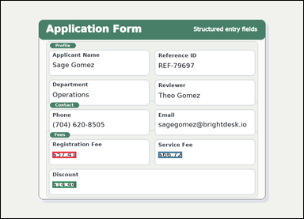 | task_documents_arithmetic_section_expression_value | sum_minus_amount_in_section | Read the named sections in this document: a structured application form with visible section headers and labeled fields. Read the document and answer this question: In the Fees section, what is Registration Fee plus Service Fee minus Discount? Return the amount as $0.00. Respond with the exact amount obtained from the visible values. Return a valid JSON object with keys "evidence" and "answer" in that order. Evidence field: set "evidence" to an array containing one bounding box for each referenced operand value, in the same order as the expression in the prompt. Answer field: set "answer" to the computed amount formatted exactly as $0.00. Example JSON: {"evidence":[[150,260,364,294],[150,320,364,354],[150,380,364,414]],"answer":"$133.30"} | Read the named sections in this document: a structured application form with visible section headers and labeled fields. Read the document and answer this question: In the Fees section, what is Registration Fee plus Service Fee minus Discount? Return the amount as $0.00. Respond with the exact amount obtained from the visible values. Return a valid JSON object with key "answer". Answer format: set "answer" to the computed amount formatted exactly as $0.00. Example JSON: {"answer":"$133.30"} | {"evidence": [[218.0, 638.5, 319.0, 665.5], [666.0, 638.5, 767.0, 665.5], [218.0, 764.5, 319.0, 791.5]], "answer": "$109.69"} | [[218.0, 638.5, 319.0, 665.5], [666.0, 638.5, 767.0, 665.5], [218.0, 764.5, 319.0, 791.5]] | string | bbox_set | 1.047015128E+15 | documents/task_documents_arithmetic_section_expression_value/images/sum_minus_amount_in_section/0018.png | documents/task_documents_arithmetic_section_expression_value/data/sum_minus_amount_in_section/0018.json
 |  | task_documents_arithmetic_section_expression_value | sum_minus_amount_in_section | Look at the document in the image: an invoice with visible named sections, labeled header fields, and summary blocks. Use the visible section headers and values to answer: In the Billing Summary section, what is Subtotal plus Tax minus Discount? Return the amount as $0.00. Give the computed amount as written in $0.00 format. Return a valid JSON object with keys "evidence" and "answer" in that order. Evidence requirement: set "evidence" to an array containing one bounding box for each referenced operand value, in the same order as the expression in the prompt. Answer format: set "answer" to the computed amount formatted exactly as $0.00. Example JSON: {"evidence":[[150,260,364,294],[150,320,364,354],[150,380,364,414]],"answer":"$133.30"} | Look at the document in the image: an invoice with visible named sections, labeled header fields, and summary blocks. Use the visible section headers and values to answer: In the Billing Summary section, what is Subtotal plus Tax minus Discount? Return the amount as $0.00. Give the computed amount as written in $0.00 format. Return a valid JSON object with key "answer". Answer format: set "answer" to the computed amount formatted exactly as $0.00. Example JSON: {"answer":"$133.30"} | {"evidence": [[665.0, 601.5, 784.0, 628.5], [214.0, 722.5, 315.0, 749.5], [665.0, 722.5, 766.0, 749.5]], "answer": "$222.05"} | [[665.0, 601.5, 784.0, 628.5], [214.0, 722.5, 315.0, 749.5], [665.0, 722.5, 766.0, 749.5]] | string | bbox_set | 1.1106187994E+15 | documents/task_documents_arithmetic_section_expression_value/images/sum_minus_amount_in_section/0017.png | documents/task_documents_arithmetic_section_expression_value/data/sum_minus_amount_in_section/0017.json
 |  | task_documents_arithmetic_section_expression_value | sum_minus_amount_in_section | Look at the document in the image: an invoice with visible named sections, labeled header fields, and summary blocks. Read the document and answer this question: In the Billing Summary section, what is Subtotal plus Tax minus Discount? Return the amount as $0.00. Respond with the exact amount obtained from the visible values. Return a valid JSON object with keys "evidence" and "answer" in that order. Evidence field: set "evidence" to an array containing one bounding box for each referenced operand value, in the same order as the expression in the prompt. Answer field: set "answer" to the computed amount formatted exactly as $0.00. Example JSON: {"evidence":[[150,260,364,294],[150,320,364,354],[150,380,364,414]],"answer":"$133.30"} | Look at the document in the image: an invoice with visible named sections, labeled header fields, and summary blocks. Read the document and answer this question: In the Billing Summary section, what is Subtotal plus Tax minus Discount? Return the amount as $0.00. Respond with the exact amount obtained from the visible values. Return a valid JSON object with key "answer". Answer rule: set "answer" to the computed amount formatted exactly as $0.00. Example JSON: {"answer":"$133.30"} | {"evidence": [[665.0, 601.5, 784.0, 628.5], [214.0, 722.5, 297.0, 749.5], [665.0, 722.5, 748.0, 749.5]], "answer": "$289.98"} | [[665.0, 601.5, 784.0, 628.5], [214.0, 722.5, 297.0, 749.5], [665.0, 722.5, 748.0, 749.5]] | string | bbox_set | 1.2310381248E+15 | documents/task_documents_arithmetic_section_expression_value/images/sum_minus_amount_in_section/0014.png | documents/task_documents_arithmetic_section_expression_value/data/sum_minus_amount_in_section/0014.json
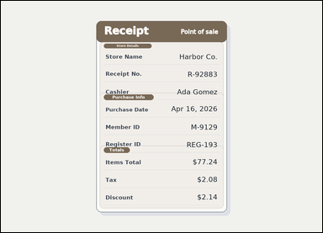 |  | task_documents_arithmetic_section_expression_value | sum_minus_amount_in_section | The image shows a receipt-style document with visible section headers and labeled totals rows. Use the visible section headers and values to answer: In the Totals section, what is Items Total plus Tax minus Discount? Return the amount as $0.00. Give the computed amount as written in $0.00 format. Return a valid JSON object with keys "evidence" and "answer" in that order. Evidence format: set "evidence" to an array containing one bounding box for each referenced operand value, in the same order as the expression in the prompt. Answer requirement: set "answer" to the computed amount formatted exactly as $0.00. Example JSON: {"evidence":[[150,260,364,294],[150,320,364,354],[150,380,364,414]],"answer":"$133.30"} | The image shows a receipt-style document with visible section headers and labeled totals rows. Use the visible section headers and values to answer: In the Totals section, what is Items Total plus Tax minus Discount? Return the amount as $0.00. Give the computed amount as written in $0.00 format. Return a valid JSON object with key "answer". Answer rule: set "answer" to the computed amount formatted exactly as $0.00. Example JSON: {"answer":"$133.30"} | {"evidence": [[763.0, 628.5, 864.0, 655.5], [781.0, 698.5, 864.0, 725.5], [781.0, 768.5, 864.0, 795.5]], "answer": "$77.18"} | [[763.0, 628.5, 864.0, 655.5], [781.0, 698.5, 864.0, 725.5], [781.0, 768.5, 864.0, 795.5]] | string | bbox_set | 1.5819611814E+15 | documents/task_documents_arithmetic_section_expression_value/images/sum_minus_amount_in_section/0000.png | documents/task_documents_arithmetic_section_expression_value/data/sum_minus_amount_in_section/0000.json
 |  | task_documents_arithmetic_section_expression_value | sum_minus_amount_in_section | You are given a receipt-style document with visible section headers and labeled totals rows. Use the visible section headers and values to answer: In the Totals section, what is Items Total plus Tax minus Discount? Return the amount as $0.00. Give the computed amount as written in $0.00 format. Return a valid JSON object with keys "evidence" and "answer" in that order. Evidence field: set "evidence" to an array containing one bounding box for each referenced operand value, in the same order as the expression in the prompt. Answer field: set "answer" to the computed amount formatted exactly as $0.00. Example JSON: {"evidence":[[150,260,364,294],[150,320,364,354],[150,380,364,414]],"answer":"$133.30"} | You are given a receipt-style document with visible section headers and labeled totals rows. Use the visible section headers and values to answer: In the Totals section, what is Items Total plus Tax minus Discount? Return the amount as $0.00. Give the computed amount as written in $0.00 format. Return a valid JSON object with key "answer". Answer rule: set "answer" to the computed amount formatted exactly as $0.00. Example JSON: {"answer":"$133.30"} | {"evidence": [[763.0, 628.5, 864.0, 655.5], [781.0, 698.5, 864.0, 725.5], [781.0, 768.5, 864.0, 795.5]], "answer": "$38.36"} | [[763.0, 628.5, 864.0, 655.5], [781.0, 698.5, 864.0, 725.5], [781.0, 768.5, 864.0, 795.5]] | string | bbox_set | 1.8131894883E+15 | documents/task_documents_arithmetic_section_expression_value/images/sum_minus_amount_in_section/0024.png | documents/task_documents_arithmetic_section_expression_value/data/sum_minus_amount_in_section/0024.json
 |  | task_documents_arithmetic_section_expression_value | sum_minus_amount_in_section | Look at the document in the image: a structured application form with visible section headers and labeled fields. Find the named section and then answer: In the Fees section, what is Registration Fee plus Service Fee minus Discount? Return the amount as $0.00. Compute the exact amount from the shown values. Return a valid JSON object with keys "evidence" and "answer" in that order. Evidence field: set "evidence" to an array containing one bounding box for each referenced operand value, in the same order as the expression in the prompt. Answer field: set "answer" to the computed amount formatted exactly as $0.00. Example JSON: {"evidence":[[150,260,364,294],[150,320,364,354],[150,380,364,414]],"answer":"$133.30"} | Look at the document in the image: a structured application form with visible section headers and labeled fields. Find the named section and then answer: In the Fees section, what is Registration Fee plus Service Fee minus Discount? Return the amount as $0.00. Compute the exact amount from the shown values. Return a valid JSON object with key "answer". Answer field: set "answer" to the computed amount formatted exactly as $0.00. Example JSON: {"answer":"$133.30"} | {"evidence": [[218.0, 638.5, 337.0, 665.5], [666.0, 638.5, 767.0, 665.5], [218.0, 764.5, 319.0, 791.5]], "answer": "$175.80"} | [[218.0, 638.5, 337.0, 665.5], [666.0, 638.5, 767.0, 665.5], [218.0, 764.5, 319.0, 791.5]] | string | bbox_set | 2.4670474534E+15 | documents/task_documents_arithmetic_section_expression_value/images/sum_minus_amount_in_section/0021.png | documents/task_documents_arithmetic_section_expression_value/data/sum_minus_amount_in_section/0021.json
 |  | task_documents_arithmetic_section_expression_value | sum_minus_amount_in_section | Use the structured document in the image: an invoice with visible named sections, labeled header fields, and summary blocks. In the Billing Summary section, what is Subtotal plus Tax minus Discount? Return the amount as $0.00. Return the computed amount in the same currency format. Return a valid JSON object with keys "evidence" and "answer" in that order. Evidence field: set "evidence" to an array containing one bounding box for each referenced operand value, in the same order as the expression in the prompt. Answer field: set "answer" to the computed amount formatted exactly as $0.00. Example JSON: {"evidence":[[150,260,364,294],[150,320,364,354],[150,380,364,414]],"answer":"$133.30"} | Use the structured document in the image: an invoice with visible named sections, labeled header fields, and summary blocks. In the Billing Summary section, what is Subtotal plus Tax minus Discount? Return the amount as $0.00. Return the computed amount in the same currency format. Return a valid JSON object with key "answer". Answer: set "answer" to the computed amount formatted exactly as $0.00. Example JSON: {"answer":"$133.30"} | {"evidence": [[665.0, 601.5, 784.0, 628.5], [214.0, 722.5, 297.0, 749.5], [665.0, 722.5, 766.0, 749.5]], "answer": "$287.83"} | [[665.0, 601.5, 784.0, 628.5], [214.0, 722.5, 297.0, 749.5], [665.0, 722.5, 766.0, 749.5]] | string | bbox_set | 2.6374890826E+15 | documents/task_documents_arithmetic_section_expression_value/images/sum_minus_amount_in_section/0020.png | documents/task_documents_arithmetic_section_expression_value/data/sum_minus_amount_in_section/0020.json
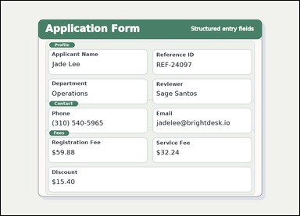 | 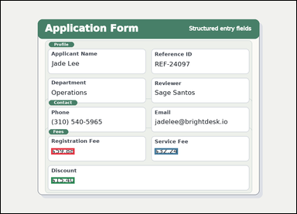 | task_documents_arithmetic_section_expression_value | sum_minus_amount_in_section | You are given a structured application form with visible section headers and labeled fields. Locate the relevant section before computing the answer: In the Fees section, what is Registration Fee plus Service Fee minus Discount? Return the amount as $0.00. Return the computed amount in the same currency format. Return a valid JSON object with keys "evidence" and "answer" in that order. Evidence rule: set "evidence" to an array containing one bounding box for each referenced operand value, in the same order as the expression in the prompt. Answer rule: set "answer" to the computed amount formatted exactly as $0.00. Example JSON: {"evidence":[[150,260,364,294],[150,320,364,354],[150,380,364,414]],"answer":"$133.30"} | You are given a structured application form with visible section headers and labeled fields. Locate the relevant section before computing the answer: In the Fees section, what is Registration Fee plus Service Fee minus Discount? Return the amount as $0.00. Return the computed amount in the same currency format. Return a valid JSON object with key "answer". Answer rule: set "answer" to the computed amount formatted exactly as $0.00. Example JSON: {"answer":"$133.30"} | {"evidence": [[218.0, 638.5, 319.0, 665.5], [666.0, 638.5, 767.0, 665.5], [218.0, 764.5, 319.0, 791.5]], "answer": "$76.72"} | [[218.0, 638.5, 319.0, 665.5], [666.0, 638.5, 767.0, 665.5], [218.0, 764.5, 319.0, 791.5]] | string | bbox_set | 3.242494987E+15 | documents/task_documents_arithmetic_section_expression_value/images/sum_minus_amount_in_section/0002.png | documents/task_documents_arithmetic_section_expression_value/data/sum_minus_amount_in_section/0002.json
 | 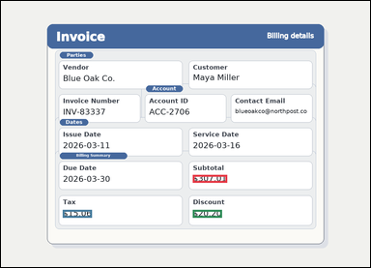 | task_documents_arithmetic_section_expression_value | sum_minus_amount_in_section | Look at the document in the image: an invoice with visible named sections, labeled header fields, and summary blocks. In the Billing Summary section, what is Subtotal plus Tax minus Discount? Return the amount as $0.00. Give the computed amount as written in $0.00 format. Return a valid JSON object with keys "evidence" and "answer" in that order. Evidence requirement: set "evidence" to an array containing one bounding box for each referenced operand value, in the same order as the expression in the prompt. Answer format: set "answer" to the computed amount formatted exactly as $0.00. Example JSON: {"evidence":[[150,260,364,294],[150,320,364,354],[150,380,364,414]],"answer":"$133.30"} | Look at the document in the image: an invoice with visible named sections, labeled header fields, and summary blocks. In the Billing Summary section, what is Subtotal plus Tax minus Discount? Return the amount as $0.00. Give the computed amount as written in $0.00 format. Return a valid JSON object with key "answer". Answer requirement: set "answer" to the computed amount formatted exactly as $0.00. Example JSON: {"answer":"$133.30"} | {"evidence": [[665.0, 601.5, 784.0, 628.5], [214.0, 722.5, 315.0, 749.5], [665.0, 722.5, 766.0, 749.5]], "answer": "$301.87"} | [[665.0, 601.5, 784.0, 628.5], [214.0, 722.5, 315.0, 749.5], [665.0, 722.5, 766.0, 749.5]] | string | bbox_set | 3.449753376E+15 | documents/task_documents_arithmetic_section_expression_value/images/sum_minus_amount_in_section/0006.png | documents/task_documents_arithmetic_section_expression_value/data/sum_minus_amount_in_section/0006.json
 |  | task_documents_arithmetic_section_expression_value | sum_minus_amount_in_section | Read the named sections in this document: an invoice with visible named sections, labeled header fields, and summary blocks. Find the named section and then answer: In the Billing Summary section, what is Subtotal plus Tax minus Discount? Return the amount as $0.00. Return the computed amount in the same currency format. Return a valid JSON object with keys "evidence" and "answer" in that order. Evidence field: set "evidence" to an array containing one bounding box for each referenced operand value, in the same order as the expression in the prompt. Answer field: set "answer" to the computed amount formatted exactly as $0.00. Example JSON: {"evidence":[[150,260,364,294],[150,320,364,354],[150,380,364,414]],"answer":"$133.30"} | Read the named sections in this document: an invoice with visible named sections, labeled header fields, and summary blocks. Find the named section and then answer: In the Billing Summary section, what is Subtotal plus Tax minus Discount? Return the amount as $0.00. Return the computed amount in the same currency format. Return a valid JSON object with key "answer". Answer rule: set "answer" to the computed amount formatted exactly as $0.00. Example JSON: {"answer":"$133.30"} | {"evidence": [[665.0, 601.5, 784.0, 628.5], [214.0, 722.5, 297.0, 749.5], [665.0, 722.5, 766.0, 749.5]], "answer": "$143.52"} | [[665.0, 601.5, 784.0, 628.5], [214.0, 722.5, 297.0, 749.5], [665.0, 722.5, 766.0, 749.5]] | string | bbox_set | 3.7103319601E+15 | documents/task_documents_arithmetic_section_expression_value/images/sum_minus_amount_in_section/0016.png | documents/task_documents_arithmetic_section_expression_value/data/sum_minus_amount_in_section/0016.json
 | 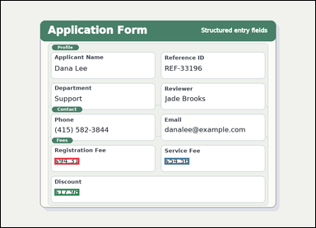 | task_documents_arithmetic_section_expression_value | sum_minus_amount_in_section | You are given a structured application form with visible section headers and labeled fields. In the Fees section, what is Registration Fee plus Service Fee minus Discount? Return the amount as $0.00. Give the computed amount as written in $0.00 format. Return a valid JSON object with keys "evidence" and "answer" in that order. Evidence requirement: set "evidence" to an array containing one bounding box for each referenced operand value, in the same order as the expression in the prompt. Answer format: set "answer" to the computed amount formatted exactly as $0.00. Example JSON: {"evidence":[[150,260,364,294],[150,320,364,354],[150,380,364,414]],"answer":"$133.30"} | You are given a structured application form with visible section headers and labeled fields. In the Fees section, what is Registration Fee plus Service Fee minus Discount? Return the amount as $0.00. Give the computed amount as written in $0.00 format. Return a valid JSON object with key "answer". Answer format: set "answer" to the computed amount formatted exactly as $0.00. Example JSON: {"answer":"$133.30"} | {"evidence": [[218.0, 638.5, 319.0, 665.5], [666.0, 638.5, 767.0, 665.5], [218.0, 764.5, 319.0, 791.5]], "answer": "$130.89"} | [[218.0, 638.5, 319.0, 665.5], [666.0, 638.5, 767.0, 665.5], [218.0, 764.5, 319.0, 791.5]] | string | bbox_set | 4.6661524583E+15 | documents/task_documents_arithmetic_section_expression_value/images/sum_minus_amount_in_section/0003.png | documents/task_documents_arithmetic_section_expression_value/data/sum_minus_amount_in_section/0003.json
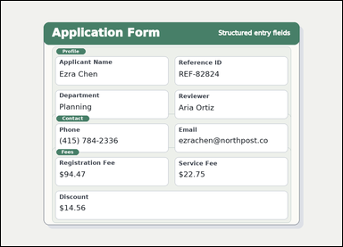 | 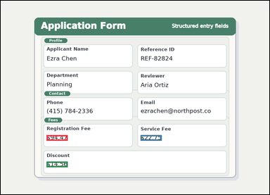 | task_documents_arithmetic_section_expression_value | sum_minus_amount_in_section | You are given a structured application form with visible section headers and labeled fields. Locate the relevant section before computing the answer: In the Fees section, what is Registration Fee plus Service Fee minus Discount? Return the amount as $0.00. Answer using the resulting amount only. Return a valid JSON object with keys "evidence" and "answer" in that order. Evidence rule: set "evidence" to an array containing one bounding box for each referenced operand value, in the same order as the expression in the prompt. Answer rule: set "answer" to the computed amount formatted exactly as $0.00. Example JSON: {"evidence":[[150,260,364,294],[150,320,364,354],[150,380,364,414]],"answer":"$133.30"} | You are given a structured application form with visible section headers and labeled fields. Locate the relevant section before computing the answer: In the Fees section, what is Registration Fee plus Service Fee minus Discount? Return the amount as $0.00. Answer using the resulting amount only. Return a valid JSON object with key "answer". Answer: set "answer" to the computed amount formatted exactly as $0.00. Example JSON: {"answer":"$133.30"} | {"evidence": [[218.0, 638.5, 319.0, 665.5], [666.0, 638.5, 767.0, 665.5], [218.0, 764.5, 319.0, 791.5]], "answer": "$102.66"} | [[218.0, 638.5, 319.0, 665.5], [666.0, 638.5, 767.0, 665.5], [218.0, 764.5, 319.0, 791.5]] | string | bbox_set | 5.8492569459E+15 | documents/task_documents_arithmetic_section_expression_value/images/sum_minus_amount_in_section/0012.png | documents/task_documents_arithmetic_section_expression_value/data/sum_minus_amount_in_section/0012.json
 | 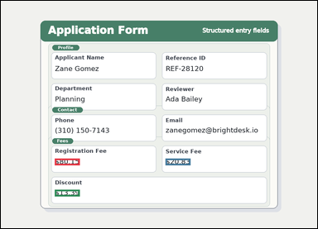 | task_documents_arithmetic_section_expression_value | sum_minus_amount_in_section | Look at the document in the image: a structured application form with visible section headers and labeled fields. Locate the relevant section before computing the answer: In the Fees section, what is Registration Fee plus Service Fee minus Discount? Return the amount as $0.00. Answer using the resulting amount only. Return a valid JSON object with keys "evidence" and "answer" in that order. Evidence field: set "evidence" to an array containing one bounding box for each referenced operand value, in the same order as the expression in the prompt. Answer field: set "answer" to the computed amount formatted exactly as $0.00. Example JSON: {"evidence":[[150,260,364,294],[150,320,364,354],[150,380,364,414]],"answer":"$133.30"} | Look at the document in the image: a structured application form with visible section headers and labeled fields. Locate the relevant section before computing the answer: In the Fees section, what is Registration Fee plus Service Fee minus Discount? Return the amount as $0.00. Answer using the resulting amount only. Return a valid JSON object with key "answer". Answer field: set "answer" to the computed amount formatted exactly as $0.00. Example JSON: {"answer":"$133.30"} | {"evidence": [[218.0, 638.5, 319.0, 665.5], [666.0, 638.5, 767.0, 665.5], [218.0, 764.5, 319.0, 791.5]], "answer": "$87.59"} | [[218.0, 638.5, 319.0, 665.5], [666.0, 638.5, 767.0, 665.5], [218.0, 764.5, 319.0, 791.5]] | string | bbox_set | 5.9498905845E+15 | documents/task_documents_arithmetic_section_expression_value/images/sum_minus_amount_in_section/0005.png | documents/task_documents_arithmetic_section_expression_value/data/sum_minus_amount_in_section/0005.json
 |  | task_documents_arithmetic_section_expression_value | sum_minus_amount_in_section | Use the structured document in the image: an invoice with visible named sections, labeled header fields, and summary blocks. Locate the relevant section before computing the answer: In the Billing Summary section, what is Subtotal plus Tax minus Discount? Return the amount as $0.00. Respond with the exact amount obtained from the visible values. Return a valid JSON object with keys "evidence" and "answer" in that order. Evidence: set "evidence" to an array containing one bounding box for each referenced operand value, in the same order as the expression in the prompt. Answer: set "answer" to the computed amount formatted exactly as $0.00. Example JSON: {"evidence":[[150,260,364,294],[150,320,364,354],[150,380,364,414]],"answer":"$133.30"} | Use the structured document in the image: an invoice with visible named sections, labeled header fields, and summary blocks. Locate the relevant section before computing the answer: In the Billing Summary section, what is Subtotal plus Tax minus Discount? Return the amount as $0.00. Respond with the exact amount obtained from the visible values. Return a valid JSON object with key "answer". Answer: set "answer" to the computed amount formatted exactly as $0.00. Example JSON: {"answer":"$133.30"} | {"evidence": [[665.0, 601.5, 784.0, 628.5], [214.0, 722.5, 297.0, 749.5], [665.0, 722.5, 766.0, 749.5]], "answer": "$228.28"} | [[665.0, 601.5, 784.0, 628.5], [214.0, 722.5, 297.0, 749.5], [665.0, 722.5, 766.0, 749.5]] | string | bbox_set | 6.3687423006E+15 | documents/task_documents_arithmetic_section_expression_value/images/sum_minus_amount_in_section/0008.png | documents/task_documents_arithmetic_section_expression_value/data/sum_minus_amount_in_section/0008.json
 | 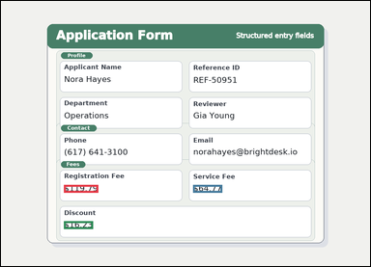 | task_documents_arithmetic_section_expression_value | sum_minus_amount_in_section | The image shows a structured application form with visible section headers and labeled fields. In the Fees section, what is Registration Fee plus Service Fee minus Discount? Return the amount as $0.00. Respond with the exact amount obtained from the visible values. Return a valid JSON object with keys "evidence" and "answer" in that order. Evidence rule: set "evidence" to an array containing one bounding box for each referenced operand value, in the same order as the expression in the prompt. Answer rule: set "answer" to the computed amount formatted exactly as $0.00. Example JSON: {"evidence":[[150,260,364,294],[150,320,364,354],[150,380,364,414]],"answer":"$133.30"} | The image shows a structured application form with visible section headers and labeled fields. In the Fees section, what is Registration Fee plus Service Fee minus Discount? Return the amount as $0.00. Respond with the exact amount obtained from the visible values. Return a valid JSON object with key "answer". Answer requirement: set "answer" to the computed amount formatted exactly as $0.00. Example JSON: {"answer":"$133.30"} | {"evidence": [[218.0, 638.5, 337.0, 665.5], [666.0, 638.5, 767.0, 665.5], [218.0, 764.5, 319.0, 791.5]], "answer": "$168.33"} | [[218.0, 638.5, 337.0, 665.5], [666.0, 638.5, 767.0, 665.5], [218.0, 764.5, 319.0, 791.5]] | string | bbox_set | 6.5349755189E+15 | documents/task_documents_arithmetic_section_expression_value/images/sum_minus_amount_in_section/0023.png | documents/task_documents_arithmetic_section_expression_value/data/sum_minus_amount_in_section/0023.json
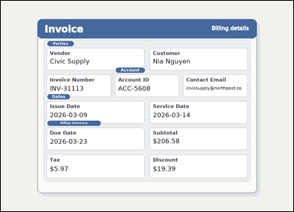 |  | task_documents_arithmetic_section_expression_value | sum_minus_amount_in_section | You are given an invoice with visible named sections, labeled header fields, and summary blocks. Locate the relevant section before computing the answer: In the Billing Summary section, what is Subtotal plus Tax minus Discount? Return the amount as $0.00. Compute the exact amount from the shown values. Return a valid JSON object with keys "evidence" and "answer" in that order. Evidence field: set "evidence" to an array containing one bounding box for each referenced operand value, in the same order as the expression in the prompt. Answer field: set "answer" to the computed amount formatted exactly as $0.00. Example JSON: {"evidence":[[150,260,364,294],[150,320,364,354],[150,380,364,414]],"answer":"$133.30"} | You are given an invoice with visible named sections, labeled header fields, and summary blocks. Locate the relevant section before computing the answer: In the Billing Summary section, what is Subtotal plus Tax minus Discount? Return the amount as $0.00. Compute the exact amount from the shown values. Return a valid JSON object with key "answer". Answer field: set "answer" to the computed amount formatted exactly as $0.00. Example JSON: {"answer":"$133.30"} | {"evidence": [[665.0, 601.5, 784.0, 628.5], [214.0, 722.5, 297.0, 749.5], [665.0, 722.5, 766.0, 749.5]], "answer": "$193.16"} | [[665.0, 601.5, 784.0, 628.5], [214.0, 722.5, 297.0, 749.5], [665.0, 722.5, 766.0, 749.5]] | string | bbox_set | 6.5865910209E+15 | documents/task_documents_arithmetic_section_expression_value/images/sum_minus_amount_in_section/0022.png | documents/task_documents_arithmetic_section_expression_value/data/sum_minus_amount_in_section/0022.json
 |  | task_documents_arithmetic_section_expression_value | sum_minus_amount_in_section | Look at the document in the image: an invoice with visible named sections, labeled header fields, and summary blocks. Find the named section and then answer: In the Billing Summary section, what is Subtotal plus Tax minus Discount? Return the amount as $0.00. Compute the exact amount from the shown values. Return a valid JSON object with keys "evidence" and "answer" in that order. Evidence format: set "evidence" to an array containing one bounding box for each referenced operand value, in the same order as the expression in the prompt. Answer requirement: set "answer" to the computed amount formatted exactly as $0.00. Example JSON: {"evidence":[[150,260,364,294],[150,320,364,354],[150,380,364,414]],"answer":"$133.30"} | Look at the document in the image: an invoice with visible named sections, labeled header fields, and summary blocks. Find the named section and then answer: In the Billing Summary section, what is Subtotal plus Tax minus Discount? Return the amount as $0.00. Compute the exact amount from the shown values. Return a valid JSON object with key "answer". Answer rule: set "answer" to the computed amount formatted exactly as $0.00. Example JSON: {"answer":"$133.30"} | {"evidence": [[665.0, 601.5, 784.0, 628.5], [214.0, 722.5, 315.0, 749.5], [665.0, 722.5, 766.0, 749.5]], "answer": "$143.96"} | [[665.0, 601.5, 784.0, 628.5], [214.0, 722.5, 315.0, 749.5], [665.0, 722.5, 766.0, 749.5]] | string | bbox_set | 7.2233358515E+15 | documents/task_documents_arithmetic_section_expression_value/images/sum_minus_amount_in_section/0015.png | documents/task_documents_arithmetic_section_expression_value/data/sum_minus_amount_in_section/0015.json
 |  | task_documents_arithmetic_section_expression_value | sum_minus_amount_in_section | You are given an invoice with visible named sections, labeled header fields, and summary blocks. Find the named section and then answer: In the Billing Summary section, what is Subtotal plus Tax minus Discount? Return the amount as $0.00. Respond with the exact amount obtained from the visible values. Return a valid JSON object with keys "evidence" and "answer" in that order. Evidence rule: set "evidence" to an array containing one bounding box for each referenced operand value, in the same order as the expression in the prompt. Answer rule: set "answer" to the computed amount formatted exactly as $0.00. Example JSON: {"evidence":[[150,260,364,294],[150,320,364,354],[150,380,364,414]],"answer":"$133.30"} | You are given an invoice with visible named sections, labeled header fields, and summary blocks. Find the named section and then answer: In the Billing Summary section, what is Subtotal plus Tax minus Discount? Return the amount as $0.00. Respond with the exact amount obtained from the visible values. Return a valid JSON object with key "answer". Answer: set "answer" to the computed amount formatted exactly as $0.00. Example JSON: {"answer":"$133.30"} | {"evidence": [[665.0, 601.5, 784.0, 628.5], [214.0, 722.5, 315.0, 749.5], [665.0, 722.5, 766.0, 749.5]], "answer": "$288.53"} | [[665.0, 601.5, 784.0, 628.5], [214.0, 722.5, 315.0, 749.5], [665.0, 722.5, 766.0, 749.5]] | string | bbox_set | 7.2868386153E+15 | documents/task_documents_arithmetic_section_expression_value/images/sum_minus_amount_in_section/0007.png | documents/task_documents_arithmetic_section_expression_value/data/sum_minus_amount_in_section/0007.json
 |  | task_documents_arithmetic_section_expression_value | sum_minus_amount_in_section | The image shows an invoice with visible named sections, labeled header fields, and summary blocks. Locate the relevant section before computing the answer: In the Billing Summary section, what is Subtotal plus Tax minus Discount? Return the amount as $0.00. Respond with the exact amount obtained from the visible values. Return a valid JSON object with keys "evidence" and "answer" in that order. Evidence format: set "evidence" to an array containing one bounding box for each referenced operand value, in the same order as the expression in the prompt. Answer requirement: set "answer" to the computed amount formatted exactly as $0.00. Example JSON: {"evidence":[[150,260,364,294],[150,320,364,354],[150,380,364,414]],"answer":"$133.30"} | The image shows an invoice with visible named sections, labeled header fields, and summary blocks. Locate the relevant section before computing the answer: In the Billing Summary section, what is Subtotal plus Tax minus Discount? Return the amount as $0.00. Respond with the exact amount obtained from the visible values. Return a valid JSON object with key "answer". Answer rule: set "answer" to the computed amount formatted exactly as $0.00. Example JSON: {"answer":"$133.30"} | {"evidence": [[665.0, 601.5, 784.0, 628.5], [214.0, 722.5, 297.0, 749.5], [665.0, 722.5, 748.0, 749.5]], "answer": "$324.35"} | [[665.0, 601.5, 784.0, 628.5], [214.0, 722.5, 297.0, 749.5], [665.0, 722.5, 748.0, 749.5]] | string | bbox_set | 8.1350109643E+15 | documents/task_documents_arithmetic_section_expression_value/images/sum_minus_amount_in_section/0009.png | documents/task_documents_arithmetic_section_expression_value/data/sum_minus_amount_in_section/0009.json
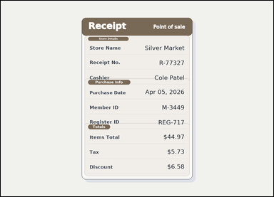 | 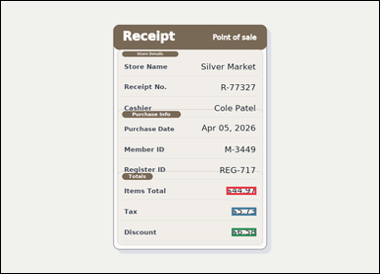 | task_documents_arithmetic_section_expression_value | sum_minus_amount_in_section | Look at the document in the image: a receipt-style document with visible section headers and labeled totals rows. Read the document and answer this question: In the Totals section, what is Items Total plus Tax minus Discount? Return the amount as $0.00. Answer using the resulting amount only. Return a valid JSON object with keys "evidence" and "answer" in that order. Evidence format: set "evidence" to an array containing one bounding box for each referenced operand value, in the same order as the expression in the prompt. Answer requirement: set "answer" to the computed amount formatted exactly as $0.00. Example JSON: {"evidence":[[150,260,364,294],[150,320,364,354],[150,380,364,414]],"answer":"$133.30"} | Look at the document in the image: a receipt-style document with visible section headers and labeled totals rows. Read the document and answer this question: In the Totals section, what is Items Total plus Tax minus Discount? Return the amount as $0.00. Answer using the resulting amount only. Return a valid JSON object with key "answer". Answer rule: set "answer" to the computed amount formatted exactly as $0.00. Example JSON: {"answer":"$133.30"} | {"evidence": [[763.0, 628.5, 864.0, 655.5], [781.0, 698.5, 864.0, 725.5], [781.0, 768.5, 864.0, 795.5]], "answer": "$44.12"} | [[763.0, 628.5, 864.0, 655.5], [781.0, 698.5, 864.0, 725.5], [781.0, 768.5, 864.0, 795.5]] | string | bbox_set | 8.4785754422E+15 | documents/task_documents_arithmetic_section_expression_value/images/sum_minus_amount_in_section/0004.png | documents/task_documents_arithmetic_section_expression_value/data/sum_minus_amount_in_section/0004.json

sum_two_amounts_in_section
image | evidence_image | task | task_variant | prompt | prompt_answer_only | answer | answer_evidence | answer_type | evidence_type | instance_seed | image_path | data_path
 |  | task_documents_arithmetic_section_expression_value | sum_two_amounts_in_section | You are given an invoice with visible named sections, labeled header fields, and summary blocks. In the Billing Summary section, what is Subtotal plus Tax? Return the amount as $0.00. Respond with the exact amount obtained from the visible values. Return a valid JSON object with keys "evidence" and "answer" in that order. Evidence: set "evidence" to an array containing one bounding box for each referenced operand value, in the same order as the expression in the prompt. Answer: set "answer" to the computed amount formatted exactly as $0.00. Example JSON: {"evidence":[[150,260,364,294],[150,320,364,354]],"answer":"$146.80"} | You are given an invoice with visible named sections, labeled header fields, and summary blocks. In the Billing Summary section, what is Subtotal plus Tax? Return the amount as $0.00. Respond with the exact amount obtained from the visible values. Return a valid JSON object with key "answer". Answer format: set "answer" to the computed amount formatted exactly as $0.00. Example JSON: {"answer":"$146.80"} | {"evidence": [[665.0, 601.5, 784.0, 628.5], [214.0, 722.5, 315.0, 749.5]], "answer": "$153.39"} | [[665.0, 601.5, 784.0, 628.5], [214.0, 722.5, 315.0, 749.5]] | string | bbox_set | 657293776614265 | documents/task_documents_arithmetic_section_expression_value/images/sum_two_amounts_in_section/0006.png | documents/task_documents_arithmetic_section_expression_value/data/sum_two_amounts_in_section/0006.json
 | 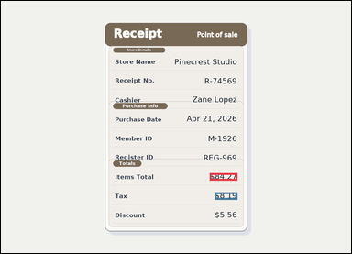 | task_documents_arithmetic_section_expression_value | sum_two_amounts_in_section | You are given a receipt-style document with visible section headers and labeled totals rows. In the Totals section, what is Items Total plus Tax? Return the amount as $0.00. Give the computed amount as written in $0.00 format. Return a valid JSON object with keys "evidence" and "answer" in that order. Evidence field: set "evidence" to an array containing one bounding box for each referenced operand value, in the same order as the expression in the prompt. Answer field: set "answer" to the computed amount formatted exactly as $0.00. Example JSON: {"evidence":[[150,260,364,294],[150,320,364,354]],"answer":"$146.80"} | You are given a receipt-style document with visible section headers and labeled totals rows. In the Totals section, what is Items Total plus Tax? Return the amount as $0.00. Give the computed amount as written in $0.00 format. Return a valid JSON object with key "answer". Answer rule: set "answer" to the computed amount formatted exactly as $0.00. Example JSON: {"answer":"$146.80"} | {"evidence": [[763.0, 628.5, 864.0, 655.5], [781.0, 698.5, 864.0, 725.5]], "answer": "$92.46"} | [[763.0, 628.5, 864.0, 655.5], [781.0, 698.5, 864.0, 725.5]] | string | bbox_set | 784325438053578 | documents/task_documents_arithmetic_section_expression_value/images/sum_two_amounts_in_section/0001.png | documents/task_documents_arithmetic_section_expression_value/data/sum_two_amounts_in_section/0001.json
 | 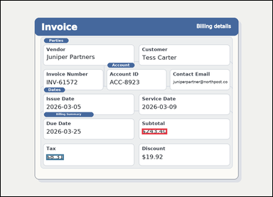 | task_documents_arithmetic_section_expression_value | sum_two_amounts_in_section | Look at the document in the image: an invoice with visible named sections, labeled header fields, and summary blocks. Find the named section and then answer: In the Billing Summary section, what is Subtotal plus Tax? Return the amount as $0.00. Compute the exact amount from the shown values. Return a valid JSON object with keys "evidence" and "answer" in that order. Evidence field: set "evidence" to an array containing one bounding box for each referenced operand value, in the same order as the expression in the prompt. Answer field: set "answer" to the computed amount formatted exactly as $0.00. Example JSON: {"evidence":[[150,260,364,294],[150,320,364,354]],"answer":"$146.80"} | Look at the document in the image: an invoice with visible named sections, labeled header fields, and summary blocks. Find the named section and then answer: In the Billing Summary section, what is Subtotal plus Tax? Return the amount as $0.00. Compute the exact amount from the shown values. Return a valid JSON object with key "answer". Answer: set "answer" to the computed amount formatted exactly as $0.00. Example JSON: {"answer":"$146.80"} | {"evidence": [[665.0, 601.5, 784.0, 628.5], [214.0, 722.5, 297.0, 749.5]], "answer": "$251.71"} | [[665.0, 601.5, 784.0, 628.5], [214.0, 722.5, 297.0, 749.5]] | string | bbox_set | 811012893470000 | documents/task_documents_arithmetic_section_expression_value/images/sum_two_amounts_in_section/0020.png | documents/task_documents_arithmetic_section_expression_value/data/sum_two_amounts_in_section/0020.json
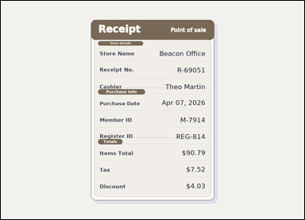 | 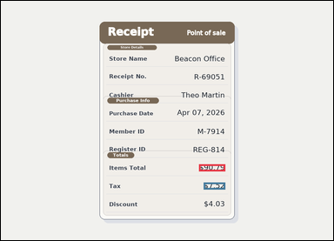 | task_documents_arithmetic_section_expression_value | sum_two_amounts_in_section | Use the structured document in the image: a receipt-style document with visible section headers and labeled totals rows. Read the document and answer this question: In the Totals section, what is Items Total plus Tax? Return the amount as $0.00. Compute the exact amount from the shown values. Return a valid JSON object with keys "evidence" and "answer" in that order. Evidence rule: set "evidence" to an array containing one bounding box for each referenced operand value, in the same order as the expression in the prompt. Answer rule: set "answer" to the computed amount formatted exactly as $0.00. Example JSON: {"evidence":[[150,260,364,294],[150,320,364,354]],"answer":"$146.80"} | Use the structured document in the image: a receipt-style document with visible section headers and labeled totals rows. Read the document and answer this question: In the Totals section, what is Items Total plus Tax? Return the amount as $0.00. Compute the exact amount from the shown values. Return a valid JSON object with key "answer". Answer rule: set "answer" to the computed amount formatted exactly as $0.00. Example JSON: {"answer":"$146.80"} | {"evidence": [[763.0, 628.5, 864.0, 655.5], [781.0, 698.5, 864.0, 725.5]], "answer": "$98.31"} | [[763.0, 628.5, 864.0, 655.5], [781.0, 698.5, 864.0, 725.5]] | string | bbox_set | 976629808865746 | documents/task_documents_arithmetic_section_expression_value/images/sum_two_amounts_in_section/0008.png | documents/task_documents_arithmetic_section_expression_value/data/sum_two_amounts_in_section/0008.json
 |  | task_documents_arithmetic_section_expression_value | sum_two_amounts_in_section | You are given an invoice with visible named sections, labeled header fields, and summary blocks. Read the document and answer this question: In the Billing Summary section, what is Subtotal plus Tax? Return the amount as $0.00. Give the computed amount as written in $0.00 format. Return a valid JSON object with keys "evidence" and "answer" in that order. Evidence format: set "evidence" to an array containing one bounding box for each referenced operand value, in the same order as the expression in the prompt. Answer requirement: set "answer" to the computed amount formatted exactly as $0.00. Example JSON: {"evidence":[[150,260,364,294],[150,320,364,354]],"answer":"$146.80"} | You are given an invoice with visible named sections, labeled header fields, and summary blocks. Read the document and answer this question: In the Billing Summary section, what is Subtotal plus Tax? Return the amount as $0.00. Give the computed amount as written in $0.00 format. Return a valid JSON object with key "answer". Answer: set "answer" to the computed amount formatted exactly as $0.00. Example JSON: {"answer":"$146.80"} | {"evidence": [[665.0, 601.5, 784.0, 628.5], [214.0, 722.5, 315.0, 749.5]], "answer": "$271.73"} | [[665.0, 601.5, 784.0, 628.5], [214.0, 722.5, 315.0, 749.5]] | string | bbox_set | 1.0070613047E+15 | documents/task_documents_arithmetic_section_expression_value/images/sum_two_amounts_in_section/0018.png | documents/task_documents_arithmetic_section_expression_value/data/sum_two_amounts_in_section/0018.json
 |  | task_documents_arithmetic_section_expression_value | sum_two_amounts_in_section | The image shows an invoice with visible named sections, labeled header fields, and summary blocks. Use the visible section headers and values to answer: In the Billing Summary section, what is Subtotal plus Tax? Return the amount as $0.00. Respond with the exact amount obtained from the visible values. Return a valid JSON object with keys "evidence" and "answer" in that order. Evidence rule: set "evidence" to an array containing one bounding box for each referenced operand value, in the same order as the expression in the prompt. Answer rule: set "answer" to the computed amount formatted exactly as $0.00. Example JSON: {"evidence":[[150,260,364,294],[150,320,364,354]],"answer":"$146.80"} | The image shows an invoice with visible named sections, labeled header fields, and summary blocks. Use the visible section headers and values to answer: In the Billing Summary section, what is Subtotal plus Tax? Return the amount as $0.00. Respond with the exact amount obtained from the visible values. Return a valid JSON object with key "answer". Answer requirement: set "answer" to the computed amount formatted exactly as $0.00. Example JSON: {"answer":"$146.80"} | {"evidence": [[665.0, 601.5, 784.0, 628.5], [214.0, 722.5, 315.0, 749.5]], "answer": "$294.10"} | [[665.0, 601.5, 784.0, 628.5], [214.0, 722.5, 315.0, 749.5]] | string | bbox_set | 1.726365214E+15 | documents/task_documents_arithmetic_section_expression_value/images/sum_two_amounts_in_section/0011.png | documents/task_documents_arithmetic_section_expression_value/data/sum_two_amounts_in_section/0011.json
 |  | task_documents_arithmetic_section_expression_value | sum_two_amounts_in_section | You are given an invoice with visible named sections, labeled header fields, and summary blocks. Locate the relevant section before computing the answer: In the Billing Summary section, what is Subtotal plus Tax? Return the amount as $0.00. Return the computed amount in the same currency format. Return a valid JSON object with keys "evidence" and "answer" in that order. Evidence: set "evidence" to an array containing one bounding box for each referenced operand value, in the same order as the expression in the prompt. Answer: set "answer" to the computed amount formatted exactly as $0.00. Example JSON: {"evidence":[[150,260,364,294],[150,320,364,354]],"answer":"$146.80"} | You are given an invoice with visible named sections, labeled header fields, and summary blocks. Locate the relevant section before computing the answer: In the Billing Summary section, what is Subtotal plus Tax? Return the amount as $0.00. Return the computed amount in the same currency format. Return a valid JSON object with key "answer". Answer format: set "answer" to the computed amount formatted exactly as $0.00. Example JSON: {"answer":"$146.80"} | {"evidence": [[665.0, 601.5, 784.0, 628.5], [214.0, 722.5, 315.0, 749.5]], "answer": "$312.16"} | [[665.0, 601.5, 784.0, 628.5], [214.0, 722.5, 315.0, 749.5]] | string | bbox_set | 2.3566839389E+15 | documents/task_documents_arithmetic_section_expression_value/images/sum_two_amounts_in_section/0010.png | documents/task_documents_arithmetic_section_expression_value/data/sum_two_amounts_in_section/0010.json
 |  | task_documents_arithmetic_section_expression_value | sum_two_amounts_in_section | Read the named sections in this document: a structured application form with visible section headers and labeled fields. In the Fees section, what is Registration Fee plus Service Fee? Return the amount as $0.00. Respond with the exact amount obtained from the visible values. Return a valid JSON object with keys "evidence" and "answer" in that order. Evidence: set "evidence" to an array containing one bounding box for each referenced operand value, in the same order as the expression in the prompt. Answer: set "answer" to the computed amount formatted exactly as $0.00. Example JSON: {"evidence":[[150,260,364,294],[150,320,364,354]],"answer":"$146.80"} | Read the named sections in this document: a structured application form with visible section headers and labeled fields. In the Fees section, what is Registration Fee plus Service Fee? Return the amount as $0.00. Respond with the exact amount obtained from the visible values. Return a valid JSON object with key "answer". Answer requirement: set "answer" to the computed amount formatted exactly as $0.00. Example JSON: {"answer":"$146.80"} | {"evidence": [[218.0, 638.5, 319.0, 665.5], [666.0, 638.5, 767.0, 665.5]], "answer": "$83.06"} | [[218.0, 638.5, 319.0, 665.5], [666.0, 638.5, 767.0, 665.5]] | string | bbox_set | 2.4495864897E+15 | documents/task_documents_arithmetic_section_expression_value/images/sum_two_amounts_in_section/0007.png | documents/task_documents_arithmetic_section_expression_value/data/sum_two_amounts_in_section/0007.json
 |  | task_documents_arithmetic_section_expression_value | sum_two_amounts_in_section | Read the named sections in this document: a structured application form with visible section headers and labeled fields. Use the visible section headers and values to answer: In the Fees section, what is Registration Fee plus Service Fee? Return the amount as $0.00. Answer using the resulting amount only. Return a valid JSON object with keys "evidence" and "answer" in that order. Evidence field: set "evidence" to an array containing one bounding box for each referenced operand value, in the same order as the expression in the prompt. Answer field: set "answer" to the computed amount formatted exactly as $0.00. Example JSON: {"evidence":[[150,260,364,294],[150,320,364,354]],"answer":"$146.80"} | Read the named sections in this document: a structured application form with visible section headers and labeled fields. Use the visible section headers and values to answer: In the Fees section, what is Registration Fee plus Service Fee? Return the amount as $0.00. Answer using the resulting amount only. Return a valid JSON object with key "answer". Answer rule: set "answer" to the computed amount formatted exactly as $0.00. Example JSON: {"answer":"$146.80"} | {"evidence": [[218.0, 638.5, 319.0, 665.5], [666.0, 638.5, 767.0, 665.5]], "answer": "$108.99"} | [[218.0, 638.5, 319.0, 665.5], [666.0, 638.5, 767.0, 665.5]] | string | bbox_set | 2.708126208E+15 | documents/task_documents_arithmetic_section_expression_value/images/sum_two_amounts_in_section/0017.png | documents/task_documents_arithmetic_section_expression_value/data/sum_two_amounts_in_section/0017.json
 |  | task_documents_arithmetic_section_expression_value | sum_two_amounts_in_section | The image shows an invoice with visible named sections, labeled header fields, and summary blocks. Use the visible section headers and values to answer: In the Billing Summary section, what is Subtotal plus Tax? Return the amount as $0.00. Answer using the resulting amount only. Return a valid JSON object with keys "evidence" and "answer" in that order. Evidence field: set "evidence" to an array containing one bounding box for each referenced operand value, in the same order as the expression in the prompt. Answer field: set "answer" to the computed amount formatted exactly as $0.00. Example JSON: {"evidence":[[150,260,364,294],[150,320,364,354]],"answer":"$146.80"} | The image shows an invoice with visible named sections, labeled header fields, and summary blocks. Use the visible section headers and values to answer: In the Billing Summary section, what is Subtotal plus Tax? Return the amount as $0.00. Answer using the resulting amount only. Return a valid JSON object with key "answer". Answer field: set "answer" to the computed amount formatted exactly as $0.00. Example JSON: {"answer":"$146.80"} | {"evidence": [[665.0, 601.5, 784.0, 628.5], [214.0, 722.5, 315.0, 749.5]], "answer": "$199.61"} | [[665.0, 601.5, 784.0, 628.5], [214.0, 722.5, 315.0, 749.5]] | string | bbox_set | 3.6711240632E+15 | documents/task_documents_arithmetic_section_expression_value/images/sum_two_amounts_in_section/0009.png | documents/task_documents_arithmetic_section_expression_value/data/sum_two_amounts_in_section/0009.json
 |  | task_documents_arithmetic_section_expression_value | sum_two_amounts_in_section | You are given a structured application form with visible section headers and labeled fields. In the Fees section, what is Registration Fee plus Service Fee? Return the amount as $0.00. Respond with the exact amount obtained from the visible values. Return a valid JSON object with keys "evidence" and "answer" in that order. Evidence rule: set "evidence" to an array containing one bounding box for each referenced operand value, in the same order as the expression in the prompt. Answer rule: set "answer" to the computed amount formatted exactly as $0.00. Example JSON: {"evidence":[[150,260,364,294],[150,320,364,354]],"answer":"$146.80"} | You are given a structured application form with visible section headers and labeled fields. In the Fees section, what is Registration Fee plus Service Fee? Return the amount as $0.00. Respond with the exact amount obtained from the visible values. Return a valid JSON object with key "answer". Answer requirement: set "answer" to the computed amount formatted exactly as $0.00. Example JSON: {"answer":"$146.80"} | {"evidence": [[218.0, 638.5, 337.0, 665.5], [666.0, 638.5, 767.0, 665.5]], "answer": "$168.55"} | [[218.0, 638.5, 337.0, 665.5], [666.0, 638.5, 767.0, 665.5]] | string | bbox_set | 3.9634108215E+15 | documents/task_documents_arithmetic_section_expression_value/images/sum_two_amounts_in_section/0004.png | documents/task_documents_arithmetic_section_expression_value/data/sum_two_amounts_in_section/0004.json
 |  | task_documents_arithmetic_section_expression_value | sum_two_amounts_in_section | Look at the document in the image: a structured application form with visible section headers and labeled fields. Find the named section and then answer: In the Fees section, what is Registration Fee plus Service Fee? Return the amount as $0.00. Give the computed amount as written in $0.00 format. Return a valid JSON object with keys "evidence" and "answer" in that order. Evidence: set "evidence" to an array containing one bounding box for each referenced operand value, in the same order as the expression in the prompt. Answer: set "answer" to the computed amount formatted exactly as $0.00. Example JSON: {"evidence":[[150,260,364,294],[150,320,364,354]],"answer":"$146.80"} | Look at the document in the image: a structured application form with visible section headers and labeled fields. Find the named section and then answer: In the Fees section, what is Registration Fee plus Service Fee? Return the amount as $0.00. Give the computed amount as written in $0.00 format. Return a valid JSON object with key "answer". Answer field: set "answer" to the computed amount formatted exactly as $0.00. Example JSON: {"answer":"$146.80"} | {"evidence": [[218.0, 638.5, 319.0, 665.5], [666.0, 638.5, 767.0, 665.5]], "answer": "$126.88"} | [[218.0, 638.5, 319.0, 665.5], [666.0, 638.5, 767.0, 665.5]] | string | bbox_set | 4.2602396575E+15 | documents/task_documents_arithmetic_section_expression_value/images/sum_two_amounts_in_section/0000.png | documents/task_documents_arithmetic_section_expression_value/data/sum_two_amounts_in_section/0000.json
 |  | task_documents_arithmetic_section_expression_value | sum_two_amounts_in_section | Use the structured document in the image: an invoice with visible named sections, labeled header fields, and summary blocks. In the Billing Summary section, what is Subtotal plus Tax? Return the amount as $0.00. Return the computed amount in the same currency format. Return a valid JSON object with keys "evidence" and "answer" in that order. Evidence field: set "evidence" to an array containing one bounding box for each referenced operand value, in the same order as the expression in the prompt. Answer field: set "answer" to the computed amount formatted exactly as $0.00. Example JSON: {"evidence":[[150,260,364,294],[150,320,364,354]],"answer":"$146.80"} | Use the structured document in the image: an invoice with visible named sections, labeled header fields, and summary blocks. In the Billing Summary section, what is Subtotal plus Tax? Return the amount as $0.00. Return the computed amount in the same currency format. Return a valid JSON object with key "answer". Answer format: set "answer" to the computed amount formatted exactly as $0.00. Example JSON: {"answer":"$146.80"} | {"evidence": [[665.0, 601.5, 784.0, 628.5], [214.0, 722.5, 315.0, 749.5]], "answer": "$262.87"} | [[665.0, 601.5, 784.0, 628.5], [214.0, 722.5, 315.0, 749.5]] | string | bbox_set | 4.4005472789E+15 | documents/task_documents_arithmetic_section_expression_value/images/sum_two_amounts_in_section/0019.png | documents/task_documents_arithmetic_section_expression_value/data/sum_two_amounts_in_section/0019.json
 |  | task_documents_arithmetic_section_expression_value | sum_two_amounts_in_section | Use the structured document in the image: an invoice with visible named sections, labeled header fields, and summary blocks. Locate the relevant section before computing the answer: In the Billing Summary section, what is Subtotal plus Tax? Return the amount as $0.00. Compute the exact amount from the shown values. Return a valid JSON object with keys "evidence" and "answer" in that order. Evidence rule: set "evidence" to an array containing one bounding box for each referenced operand value, in the same order as the expression in the prompt. Answer rule: set "answer" to the computed amount formatted exactly as $0.00. Example JSON: {"evidence":[[150,260,364,294],[150,320,364,354]],"answer":"$146.80"} | Use the structured document in the image: an invoice with visible named sections, labeled header fields, and summary blocks. Locate the relevant section before computing the answer: In the Billing Summary section, what is Subtotal plus Tax? Return the amount as $0.00. Compute the exact amount from the shown values. Return a valid JSON object with key "answer". Answer rule: set "answer" to the computed amount formatted exactly as $0.00. Example JSON: {"answer":"$146.80"} | {"evidence": [[665.0, 601.5, 784.0, 628.5], [214.0, 722.5, 297.0, 749.5]], "answer": "$315.16"} | [[665.0, 601.5, 784.0, 628.5], [214.0, 722.5, 297.0, 749.5]] | string | bbox_set | 4.7923976853E+15 | documents/task_documents_arithmetic_section_expression_value/images/sum_two_amounts_in_section/0016.png | documents/task_documents_arithmetic_section_expression_value/data/sum_two_amounts_in_section/0016.json
 |  | task_documents_arithmetic_section_expression_value | sum_two_amounts_in_section | The image shows an invoice with visible named sections, labeled header fields, and summary blocks. In the Billing Summary section, what is Subtotal plus Tax? Return the amount as $0.00. Compute the exact amount from the shown values. Return a valid JSON object with keys "evidence" and "answer" in that order. Evidence rule: set "evidence" to an array containing one bounding box for each referenced operand value, in the same order as the expression in the prompt. Answer rule: set "answer" to the computed amount formatted exactly as $0.00. Example JSON: {"evidence":[[150,260,364,294],[150,320,364,354]],"answer":"$146.80"} | The image shows an invoice with visible named sections, labeled header fields, and summary blocks. In the Billing Summary section, what is Subtotal plus Tax? Return the amount as $0.00. Compute the exact amount from the shown values. Return a valid JSON object with key "answer". Answer requirement: set "answer" to the computed amount formatted exactly as $0.00. Example JSON: {"answer":"$146.80"} | {"evidence": [[665.0, 601.5, 784.0, 628.5], [214.0, 722.5, 315.0, 749.5]], "answer": "$260.79"} | [[665.0, 601.5, 784.0, 628.5], [214.0, 722.5, 315.0, 749.5]] | string | bbox_set | 5.0740423739E+15 | documents/task_documents_arithmetic_section_expression_value/images/sum_two_amounts_in_section/0014.png | documents/task_documents_arithmetic_section_expression_value/data/sum_two_amounts_in_section/0014.json
 |  | task_documents_arithmetic_section_expression_value | sum_two_amounts_in_section | Look at the document in the image: a structured application form with visible section headers and labeled fields. Read the document and answer this question: In the Fees section, what is Registration Fee plus Service Fee? Return the amount as $0.00. Answer using the resulting amount only. Return a valid JSON object with keys "evidence" and "answer" in that order. Evidence field: set "evidence" to an array containing one bounding box for each referenced operand value, in the same order as the expression in the prompt. Answer field: set "answer" to the computed amount formatted exactly as $0.00. Example JSON: {"evidence":[[150,260,364,294],[150,320,364,354]],"answer":"$146.80"} | Look at the document in the image: a structured application form with visible section headers and labeled fields. Read the document and answer this question: In the Fees section, what is Registration Fee plus Service Fee? Return the amount as $0.00. Answer using the resulting amount only. Return a valid JSON object with key "answer". Answer field: set "answer" to the computed amount formatted exactly as $0.00. Example JSON: {"answer":"$146.80"} | {"evidence": [[218.0, 638.5, 319.0, 665.5], [666.0, 638.5, 767.0, 665.5]], "answer": "$137.67"} | [[218.0, 638.5, 319.0, 665.5], [666.0, 638.5, 767.0, 665.5]] | string | bbox_set | 5.1003775429E+15 | documents/task_documents_arithmetic_section_expression_value/images/sum_two_amounts_in_section/0003.png | documents/task_documents_arithmetic_section_expression_value/data/sum_two_amounts_in_section/0003.json
 |  | task_documents_arithmetic_section_expression_value | sum_two_amounts_in_section | The image shows a structured application form with visible section headers and labeled fields. Read the document and answer this question: In the Fees section, what is Registration Fee plus Service Fee? Return the amount as $0.00. Return the computed amount in the same currency format. Return a valid JSON object with keys "evidence" and "answer" in that order. Evidence rule: set "evidence" to an array containing one bounding box for each referenced operand value, in the same order as the expression in the prompt. Answer rule: set "answer" to the computed amount formatted exactly as $0.00. Example JSON: {"evidence":[[150,260,364,294],[150,320,364,354]],"answer":"$146.80"} | The image shows a structured application form with visible section headers and labeled fields. Read the document and answer this question: In the Fees section, what is Registration Fee plus Service Fee? Return the amount as $0.00. Return the computed amount in the same currency format. Return a valid JSON object with key "answer". Answer field: set "answer" to the computed amount formatted exactly as $0.00. Example JSON: {"answer":"$146.80"} | {"evidence": [[218.0, 638.5, 337.0, 665.5], [666.0, 638.5, 767.0, 665.5]], "answer": "$200.17"} | [[218.0, 638.5, 337.0, 665.5], [666.0, 638.5, 767.0, 665.5]] | string | bbox_set | 5.1893832111E+15 | documents/task_documents_arithmetic_section_expression_value/images/sum_two_amounts_in_section/0013.png | documents/task_documents_arithmetic_section_expression_value/data/sum_two_amounts_in_section/0013.json
 |  | task_documents_arithmetic_section_expression_value | sum_two_amounts_in_section | Look at the document in the image: an invoice with visible named sections, labeled header fields, and summary blocks. Use the visible section headers and values to answer: In the Billing Summary section, what is Subtotal plus Tax? Return the amount as $0.00. Return the computed amount in the same currency format. Return a valid JSON object with keys "evidence" and "answer" in that order. Evidence format: set "evidence" to an array containing one bounding box for each referenced operand value, in the same order as the expression in the prompt. Answer requirement: set "answer" to the computed amount formatted exactly as $0.00. Example JSON: {"evidence":[[150,260,364,294],[150,320,364,354]],"answer":"$146.80"} | Look at the document in the image: an invoice with visible named sections, labeled header fields, and summary blocks. Use the visible section headers and values to answer: In the Billing Summary section, what is Subtotal plus Tax? Return the amount as $0.00. Return the computed amount in the same currency format. Return a valid JSON object with key "answer". Answer requirement: set "answer" to the computed amount formatted exactly as $0.00. Example JSON: {"answer":"$146.80"} | {"evidence": [[665.0, 601.5, 784.0, 628.5], [214.0, 722.5, 297.0, 749.5]], "answer": "$181.32"} | [[665.0, 601.5, 784.0, 628.5], [214.0, 722.5, 297.0, 749.5]] | string | bbox_set | 5.3459411883E+15 | documents/task_documents_arithmetic_section_expression_value/images/sum_two_amounts_in_section/0024.png | documents/task_documents_arithmetic_section_expression_value/data/sum_two_amounts_in_section/0024.json
 |  | task_documents_arithmetic_section_expression_value | sum_two_amounts_in_section | The image shows a structured application form with visible section headers and labeled fields. Find the named section and then answer: In the Fees section, what is Registration Fee plus Service Fee? Return the amount as $0.00. Answer using the resulting amount only. Return a valid JSON object with keys "evidence" and "answer" in that order. Evidence rule: set "evidence" to an array containing one bounding box for each referenced operand value, in the same order as the expression in the prompt. Answer rule: set "answer" to the computed amount formatted exactly as $0.00. Example JSON: {"evidence":[[150,260,364,294],[150,320,364,354]],"answer":"$146.80"} | The image shows a structured application form with visible section headers and labeled fields. Find the named section and then answer: In the Fees section, what is Registration Fee plus Service Fee? Return the amount as $0.00. Answer using the resulting amount only. Return a valid JSON object with key "answer". Answer field: set "answer" to the computed amount formatted exactly as $0.00. Example JSON: {"answer":"$146.80"} | {"evidence": [[218.0, 638.5, 337.0, 665.5], [666.0, 638.5, 767.0, 665.5]], "answer": "$181.36"} | [[218.0, 638.5, 337.0, 665.5], [666.0, 638.5, 767.0, 665.5]] | string | bbox_set | 5.5945658501E+15 | documents/task_documents_arithmetic_section_expression_value/images/sum_two_amounts_in_section/0005.png | documents/task_documents_arithmetic_section_expression_value/data/sum_two_amounts_in_section/0005.json
 |  | task_documents_arithmetic_section_expression_value | sum_two_amounts_in_section | The image shows an invoice with visible named sections, labeled header fields, and summary blocks. Read the document and answer this question: In the Billing Summary section, what is Subtotal plus Tax? Return the amount as $0.00. Respond with the exact amount obtained from the visible values. Return a valid JSON object with keys "evidence" and "answer" in that order. Evidence requirement: set "evidence" to an array containing one bounding box for each referenced operand value, in the same order as the expression in the prompt. Answer format: set "answer" to the computed amount formatted exactly as $0.00. Example JSON: {"evidence":[[150,260,364,294],[150,320,364,354]],"answer":"$146.80"} | The image shows an invoice with visible named sections, labeled header fields, and summary blocks. Read the document and answer this question: In the Billing Summary section, what is Subtotal plus Tax? Return the amount as $0.00. Respond with the exact amount obtained from the visible values. Return a valid JSON object with key "answer". Answer field: set "answer" to the computed amount formatted exactly as $0.00. Example JSON: {"answer":"$146.80"} | {"evidence": [[665.0, 601.5, 784.0, 628.5], [214.0, 722.5, 297.0, 749.5]], "answer": "$248.59"} | [[665.0, 601.5, 784.0, 628.5], [214.0, 722.5, 297.0, 749.5]] | string | bbox_set | 5.8431483747E+15 | documents/task_documents_arithmetic_section_expression_value/images/sum_two_amounts_in_section/0022.png | documents/task_documents_arithmetic_section_expression_value/data/sum_two_amounts_in_section/0022.json
 |  | task_documents_arithmetic_section_expression_value | sum_two_amounts_in_section | Use the structured document in the image: an invoice with visible named sections, labeled header fields, and summary blocks. In the Billing Summary section, what is Subtotal plus Tax? Return the amount as $0.00. Respond with the exact amount obtained from the visible values. Return a valid JSON object with keys "evidence" and "answer" in that order. Evidence field: set "evidence" to an array containing one bounding box for each referenced operand value, in the same order as the expression in the prompt. Answer field: set "answer" to the computed amount formatted exactly as $0.00. Example JSON: {"evidence":[[150,260,364,294],[150,320,364,354]],"answer":"$146.80"} | Use the structured document in the image: an invoice with visible named sections, labeled header fields, and summary blocks. In the Billing Summary section, what is Subtotal plus Tax? Return the amount as $0.00. Respond with the exact amount obtained from the visible values. Return a valid JSON object with key "answer". Answer rule: set "answer" to the computed amount formatted exactly as $0.00. Example JSON: {"answer":"$146.80"} | {"evidence": [[665.0, 601.5, 784.0, 628.5], [214.0, 722.5, 315.0, 749.5]], "answer": "$211.67"} | [[665.0, 601.5, 784.0, 628.5], [214.0, 722.5, 315.0, 749.5]] | string | bbox_set | 6.264637561E+15 | documents/task_documents_arithmetic_section_expression_value/images/sum_two_amounts_in_section/0023.png | documents/task_documents_arithmetic_section_expression_value/data/sum_two_amounts_in_section/0023.json
 |  | task_documents_arithmetic_section_expression_value | sum_two_amounts_in_section | Use the structured document in the image: a receipt-style document with visible section headers and labeled totals rows. Read the document and answer this question: In the Totals section, what is Items Total plus Tax? Return the amount as $0.00. Respond with the exact amount obtained from the visible values. Return a valid JSON object with keys "evidence" and "answer" in that order. Evidence requirement: set "evidence" to an array containing one bounding box for each referenced operand value, in the same order as the expression in the prompt. Answer format: set "answer" to the computed amount formatted exactly as $0.00. Example JSON: {"evidence":[[150,260,364,294],[150,320,364,354]],"answer":"$146.80"} | Use the structured document in the image: a receipt-style document with visible section headers and labeled totals rows. Read the document and answer this question: In the Totals section, what is Items Total plus Tax? Return the amount as $0.00. Respond with the exact amount obtained from the visible values. Return a valid JSON object with key "answer". Answer field: set "answer" to the computed amount formatted exactly as $0.00. Example JSON: {"answer":"$146.80"} | {"evidence": [[763.0, 628.5, 864.0, 655.5], [781.0, 698.5, 864.0, 725.5]], "answer": "$45.50"} | [[763.0, 628.5, 864.0, 655.5], [781.0, 698.5, 864.0, 725.5]] | string | bbox_set | 7.4947689344E+15 | documents/task_documents_arithmetic_section_expression_value/images/sum_two_amounts_in_section/0015.png | documents/task_documents_arithmetic_section_expression_value/data/sum_two_amounts_in_section/0015.json
 |  | task_documents_arithmetic_section_expression_value | sum_two_amounts_in_section | The image shows a structured application form with visible section headers and labeled fields. Read the document and answer this question: In the Fees section, what is Registration Fee plus Service Fee? Return the amount as $0.00. Answer using the resulting amount only. Return a valid JSON object with keys "evidence" and "answer" in that order. Evidence: set "evidence" to an array containing one bounding box for each referenced operand value, in the same order as the expression in the prompt. Answer: set "answer" to the computed amount formatted exactly as $0.00. Example JSON: {"evidence":[[150,260,364,294],[150,320,364,354]],"answer":"$146.80"} | The image shows a structured application form with visible section headers and labeled fields. Read the document and answer this question: In the Fees section, what is Registration Fee plus Service Fee? Return the amount as $0.00. Answer using the resulting amount only. Return a valid JSON object with key "answer". Answer field: set "answer" to the computed amount formatted exactly as $0.00. Example JSON: {"answer":"$146.80"} | {"evidence": [[218.0, 638.5, 337.0, 665.5], [666.0, 638.5, 767.0, 665.5]], "answer": "$171.41"} | [[218.0, 638.5, 337.0, 665.5], [666.0, 638.5, 767.0, 665.5]] | string | bbox_set | 7.8561391543E+15 | documents/task_documents_arithmetic_section_expression_value/images/sum_two_amounts_in_section/0021.png | documents/task_documents_arithmetic_section_expression_value/data/sum_two_amounts_in_section/0021.json
 |  | task_documents_arithmetic_section_expression_value | sum_two_amounts_in_section | The image shows a structured application form with visible section headers and labeled fields. In the Fees section, what is Registration Fee plus Service Fee? Return the amount as $0.00. Compute the exact amount from the shown values. Return a valid JSON object with keys "evidence" and "answer" in that order. Evidence format: set "evidence" to an array containing one bounding box for each referenced operand value, in the same order as the expression in the prompt. Answer requirement: set "answer" to the computed amount formatted exactly as $0.00. Example JSON: {"evidence":[[150,260,364,294],[150,320,364,354]],"answer":"$146.80"} | The image shows a structured application form with visible section headers and labeled fields. In the Fees section, what is Registration Fee plus Service Fee? Return the amount as $0.00. Compute the exact amount from the shown values. Return a valid JSON object with key "answer". Answer rule: set "answer" to the computed amount formatted exactly as $0.00. Example JSON: {"answer":"$146.80"} | {"evidence": [[218.0, 638.5, 319.0, 665.5], [666.0, 638.5, 767.0, 665.5]], "answer": "$113.69"} | [[218.0, 638.5, 319.0, 665.5], [666.0, 638.5, 767.0, 665.5]] | string | bbox_set | 7.9737393402E+15 | documents/task_documents_arithmetic_section_expression_value/images/sum_two_amounts_in_section/0002.png | documents/task_documents_arithmetic_section_expression_value/data/sum_two_amounts_in_section/0002.json
 |  | task_documents_arithmetic_section_expression_value | sum_two_amounts_in_section | The image shows a structured application form with visible section headers and labeled fields. Find the named section and then answer: In the Fees section, what is Registration Fee plus Service Fee? Return the amount as $0.00. Give the computed amount as written in $0.00 format. Return a valid JSON object with keys "evidence" and "answer" in that order. Evidence field: set "evidence" to an array containing one bounding box for each referenced operand value, in the same order as the expression in the prompt. Answer field: set "answer" to the computed amount formatted exactly as $0.00. Example JSON: {"evidence":[[150,260,364,294],[150,320,364,354]],"answer":"$146.80"} | The image shows a structured application form with visible section headers and labeled fields. Find the named section and then answer: In the Fees section, what is Registration Fee plus Service Fee? Return the amount as $0.00. Give the computed amount as written in $0.00 format. Return a valid JSON object with key "answer". Answer field: set "answer" to the computed amount formatted exactly as $0.00. Example JSON: {"answer":"$146.80"} | {"evidence": [[218.0, 638.5, 337.0, 665.5], [666.0, 638.5, 767.0, 665.5]], "answer": "$212.56"} | [[218.0, 638.5, 337.0, 665.5], [666.0, 638.5, 767.0, 665.5]] | string | bbox_set | 8.9206333966E+15 | documents/task_documents_arithmetic_section_expression_value/images/sum_two_amounts_in_section/0012.png | documents/task_documents_arithmetic_section_expression_value/data/sum_two_amounts_in_section/0012.json

