earliest_date_in_section
image | evidence_image | task | task_variant | prompt | prompt_answer_only | answer | answer_evidence | answer_type | evidence_type | instance_seed | image_path | data_path
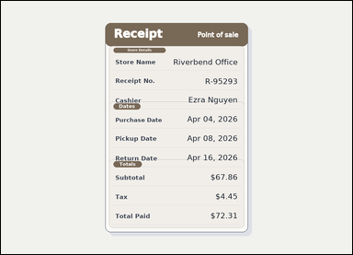 | 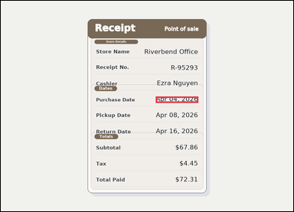 | task_documents_relation_section_extremum_value | earliest_date_in_section | You are given a receipt-style document with visible section headers and labeled totals rows. Locate the relevant section before answering: In the Dates section, what is the earliest date shown? Return the exact date shown. Answer with the exact date text shown. Return a valid JSON object with keys "evidence" and "answer" in that order. Evidence: set "evidence" to an array containing exactly one bounding box for the winning value. Answer: set "answer" to the exact winning value text shown in the named section. Example JSON: {"evidence":[[150,260,364,294]],"answer":"2026-03-18"} | You are given a receipt-style document with visible section headers and labeled totals rows. Locate the relevant section before answering: In the Dates section, what is the earliest date shown? Return the exact date shown. Answer with the exact date text shown. Return a valid JSON object with key "answer". Answer rule: set "answer" to the exact winning value text shown in the named section. Example JSON: {"answer":"2026-03-18"} | {"evidence": [[678.0, 418.0, 864.0, 446.0]], "answer": "Apr 04, 2026"} | [[678.0, 418.0, 864.0, 446.0]] | string | bbox_set | 300276522486291 | documents/task_documents_relation_section_extremum_value/images/earliest_date_in_section/0008.png | documents/task_documents_relation_section_extremum_value/data/earliest_date_in_section/0008.json
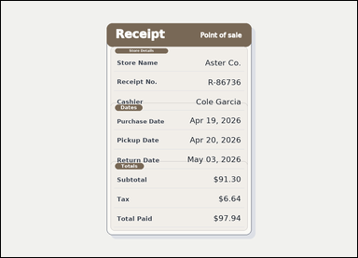 | 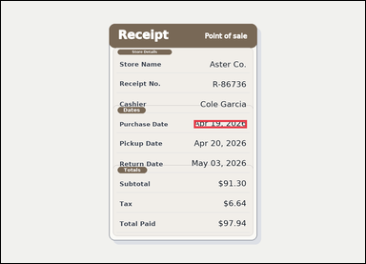 | task_documents_relation_section_extremum_value | earliest_date_in_section | Look at the document in the image: a receipt-style document with visible section headers and labeled totals rows. In the Dates section, what is the earliest date shown? Return the exact date shown. Answer with the exact date text shown. Return a valid JSON object with keys "evidence" and "answer" in that order. Evidence field: set "evidence" to an array containing exactly one bounding box for the winning value. Answer field: set "answer" to the exact winning value text shown in the named section. Example JSON: {"evidence":[[150,260,364,294]],"answer":"2026-03-18"} | Look at the document in the image: a receipt-style document with visible section headers and labeled totals rows. In the Dates section, what is the earliest date shown? Return the exact date shown. Answer with the exact date text shown. Return a valid JSON object with key "answer". Answer requirement: set "answer" to the exact winning value text shown in the named section. Example JSON: {"answer":"2026-03-18"} | {"evidence": [[678.0, 418.0, 864.0, 446.0]], "answer": "Apr 19, 2026"} | [[678.0, 418.0, 864.0, 446.0]] | string | bbox_set | 359102232373145 | documents/task_documents_relation_section_extremum_value/images/earliest_date_in_section/0004.png | documents/task_documents_relation_section_extremum_value/data/earliest_date_in_section/0004.json
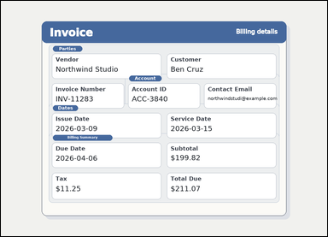 | 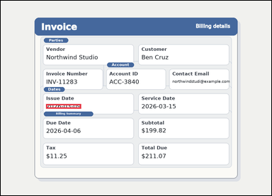 | task_documents_relation_section_extremum_value | earliest_date_in_section | Use the structured document in the image: an invoice with visible named sections, labeled header fields, and summary blocks. In the Dates section, what is the earliest date shown? Return the exact date shown. Give the exact date shown for the winning value. Return a valid JSON object with keys "evidence" and "answer" in that order. Evidence format: set "evidence" to an array containing exactly one bounding box for the winning value. Answer requirement: set "answer" to the exact winning value text shown in the named section. Example JSON: {"evidence":[[150,260,364,294]],"answer":"2026-03-18"} | Use the structured document in the image: an invoice with visible named sections, labeled header fields, and summary blocks. In the Dates section, what is the earliest date shown? Return the exact date shown. Give the exact date shown for the winning value. Return a valid JSON object with key "answer". Answer rule: set "answer" to the exact winning value text shown in the named section. Example JSON: {"answer":"2026-03-18"} | {"evidence": [[214.0, 488.0, 380.0, 510.0]], "answer": "2026-03-09"} | [[214.0, 488.0, 380.0, 510.0]] | string | bbox_set | 721050322516033 | documents/task_documents_relation_section_extremum_value/images/earliest_date_in_section/0002.png | documents/task_documents_relation_section_extremum_value/data/earliest_date_in_section/0002.json
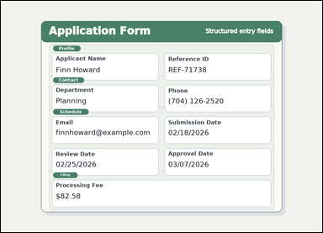 | 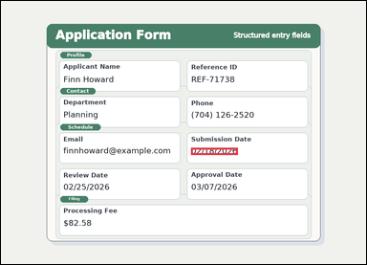 | task_documents_relation_section_extremum_value | earliest_date_in_section | Read the named sections in this document: a structured application form with visible section headers and labeled fields. Read the document and answer this question: In the Schedule section, what is the earliest date shown? Return the exact date shown. Answer using the exact date value. Return a valid JSON object with keys "evidence" and "answer" in that order. Evidence format: set "evidence" to an array containing exactly one bounding box for the winning value. Answer requirement: set "answer" to the exact winning value text shown in the named section. Example JSON: {"evidence":[[150,260,364,294]],"answer":"2026-03-18"} | Read the named sections in this document: a structured application form with visible section headers and labeled fields. Read the document and answer this question: In the Schedule section, what is the earliest date shown? Return the exact date shown. Answer using the exact date value. Return a valid JSON object with key "answer". Answer format: set "answer" to the exact winning value text shown in the named section. Example JSON: {"answer":"2026-03-18"} | {"evidence": [[666.0, 513.5, 830.0, 538.5]], "answer": "02/18/2026"} | [[666.0, 513.5, 830.0, 538.5]] | string | bbox_set | 930705498696773 | documents/task_documents_relation_section_extremum_value/images/earliest_date_in_section/0023.png | documents/task_documents_relation_section_extremum_value/data/earliest_date_in_section/0023.json
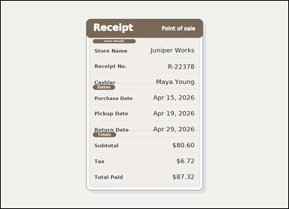 | 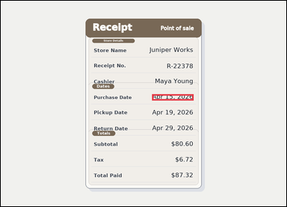 | task_documents_relation_section_extremum_value | earliest_date_in_section | The image shows a receipt-style document with visible section headers and labeled totals rows. Read the document and answer this question: In the Dates section, what is the earliest date shown? Return the exact date shown. Respond with the exact winning date text from that section. Return a valid JSON object with keys "evidence" and "answer" in that order. Evidence format: set "evidence" to an array containing exactly one bounding box for the winning value. Answer requirement: set "answer" to the exact winning value text shown in the named section. Example JSON: {"evidence":[[150,260,364,294]],"answer":"2026-03-18"} | The image shows a receipt-style document with visible section headers and labeled totals rows. Read the document and answer this question: In the Dates section, what is the earliest date shown? Return the exact date shown. Respond with the exact winning date text from that section. Return a valid JSON object with key "answer". Answer requirement: set "answer" to the exact winning value text shown in the named section. Example JSON: {"answer":"2026-03-18"} | {"evidence": [[678.0, 418.0, 864.0, 446.0]], "answer": "Apr 15, 2026"} | [[678.0, 418.0, 864.0, 446.0]] | string | bbox_set | 1.5457907101E+15 | documents/task_documents_relation_section_extremum_value/images/earliest_date_in_section/0017.png | documents/task_documents_relation_section_extremum_value/data/earliest_date_in_section/0017.json
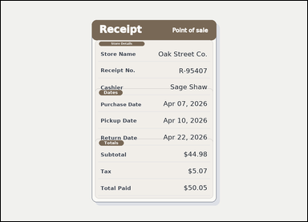 | 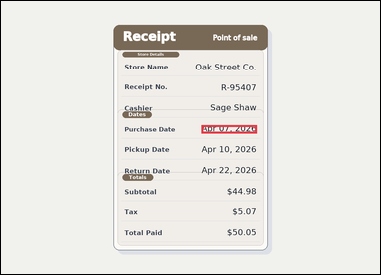 | task_documents_relation_section_extremum_value | earliest_date_in_section | Use the structured document in the image: a receipt-style document with visible section headers and labeled totals rows. In the Dates section, what is the earliest date shown? Return the exact date shown. Return the exact date as written in the document. Return a valid JSON object with keys "evidence" and "answer" in that order. Evidence format: set "evidence" to an array containing exactly one bounding box for the winning value. Answer requirement: set "answer" to the exact winning value text shown in the named section. Example JSON: {"evidence":[[150,260,364,294]],"answer":"2026-03-18"} | Use the structured document in the image: a receipt-style document with visible section headers and labeled totals rows. In the Dates section, what is the earliest date shown? Return the exact date shown. Return the exact date as written in the document. Return a valid JSON object with key "answer". Answer requirement: set "answer" to the exact winning value text shown in the named section. Example JSON: {"answer":"2026-03-18"} | {"evidence": [[678.0, 418.0, 864.0, 446.0]], "answer": "Apr 07, 2026"} | [[678.0, 418.0, 864.0, 446.0]] | string | bbox_set | 2.2006102815E+15 | documents/task_documents_relation_section_extremum_value/images/earliest_date_in_section/0022.png | documents/task_documents_relation_section_extremum_value/data/earliest_date_in_section/0022.json
 |  | task_documents_relation_section_extremum_value | earliest_date_in_section | Use the structured document in the image: a structured application form with visible section headers and labeled fields. Find the named section and then answer: In the Schedule section, what is the earliest date shown? Return the exact date shown. Give the exact date shown for the winning value. Return a valid JSON object with keys "evidence" and "answer" in that order. Evidence requirement: set "evidence" to an array containing exactly one bounding box for the winning value. Answer format: set "answer" to the exact winning value text shown in the named section. Example JSON: {"evidence":[[150,260,364,294]],"answer":"2026-03-18"} | Use the structured document in the image: a structured application form with visible section headers and labeled fields. Find the named section and then answer: In the Schedule section, what is the earliest date shown? Return the exact date shown. Give the exact date shown for the winning value. Return a valid JSON object with key "answer". Answer: set "answer" to the exact winning value text shown in the named section. Example JSON: {"answer":"2026-03-18"} | {"evidence": [[666.0, 513.5, 830.0, 538.5]], "answer": "02/11/2026"} | [[666.0, 513.5, 830.0, 538.5]] | string | bbox_set | 3.2568537495E+15 | documents/task_documents_relation_section_extremum_value/images/earliest_date_in_section/0012.png | documents/task_documents_relation_section_extremum_value/data/earliest_date_in_section/0012.json
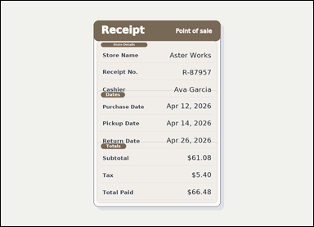 | 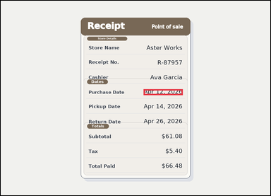 | task_documents_relation_section_extremum_value | earliest_date_in_section | Look at the document in the image: a receipt-style document with visible section headers and labeled totals rows. Use the section headers and labeled fields to answer: In the Dates section, what is the earliest date shown? Return the exact date shown. Give the exact date shown for the winning value. Return a valid JSON object with keys "evidence" and "answer" in that order. Evidence rule: set "evidence" to an array containing exactly one bounding box for the winning value. Answer rule: set "answer" to the exact winning value text shown in the named section. Example JSON: {"evidence":[[150,260,364,294]],"answer":"2026-03-18"} | Look at the document in the image: a receipt-style document with visible section headers and labeled totals rows. Use the section headers and labeled fields to answer: In the Dates section, what is the earliest date shown? Return the exact date shown. Give the exact date shown for the winning value. Return a valid JSON object with key "answer". Answer rule: set "answer" to the exact winning value text shown in the named section. Example JSON: {"answer":"2026-03-18"} | {"evidence": [[678.0, 418.0, 864.0, 446.0]], "answer": "Apr 12, 2026"} | [[678.0, 418.0, 864.0, 446.0]] | string | bbox_set | 3.7458953461E+15 | documents/task_documents_relation_section_extremum_value/images/earliest_date_in_section/0001.png | documents/task_documents_relation_section_extremum_value/data/earliest_date_in_section/0001.json
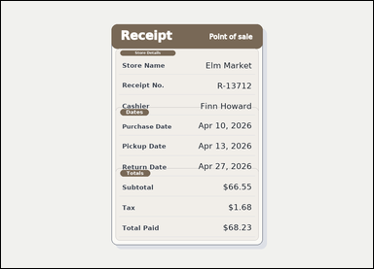 |  | task_documents_relation_section_extremum_value | earliest_date_in_section | Use the structured document in the image: a receipt-style document with visible section headers and labeled totals rows. Find the named section and then answer: In the Dates section, what is the earliest date shown? Return the exact date shown. Answer using the exact date value. Return a valid JSON object with keys "evidence" and "answer" in that order. Evidence field: set "evidence" to an array containing exactly one bounding box for the winning value. Answer field: set "answer" to the exact winning value text shown in the named section. Example JSON: {"evidence":[[150,260,364,294]],"answer":"2026-03-18"} | Use the structured document in the image: a receipt-style document with visible section headers and labeled totals rows. Find the named section and then answer: In the Dates section, what is the earliest date shown? Return the exact date shown. Answer using the exact date value. Return a valid JSON object with key "answer". Answer rule: set "answer" to the exact winning value text shown in the named section. Example JSON: {"answer":"2026-03-18"} | {"evidence": [[678.0, 418.0, 864.0, 446.0]], "answer": "Apr 10, 2026"} | [[678.0, 418.0, 864.0, 446.0]] | string | bbox_set | 4.0426446504E+15 | documents/task_documents_relation_section_extremum_value/images/earliest_date_in_section/0016.png | documents/task_documents_relation_section_extremum_value/data/earliest_date_in_section/0016.json
 | 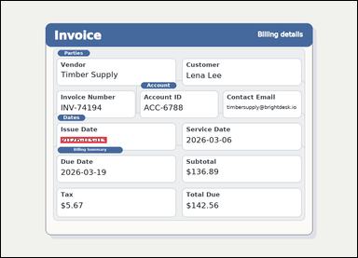 | task_documents_relation_section_extremum_value | earliest_date_in_section | Use the structured document in the image: an invoice with visible named sections, labeled header fields, and summary blocks. In the Dates section, what is the earliest date shown? Return the exact date shown. Give the exact date shown for the winning value. Return a valid JSON object with keys "evidence" and "answer" in that order. Evidence: set "evidence" to an array containing exactly one bounding box for the winning value. Answer: set "answer" to the exact winning value text shown in the named section. Example JSON: {"evidence":[[150,260,364,294]],"answer":"2026-03-18"} | Use the structured document in the image: an invoice with visible named sections, labeled header fields, and summary blocks. In the Dates section, what is the earliest date shown? Return the exact date shown. Give the exact date shown for the winning value. Return a valid JSON object with key "answer". Answer format: set "answer" to the exact winning value text shown in the named section. Example JSON: {"answer":"2026-03-18"} | {"evidence": [[214.0, 488.0, 380.0, 510.0]], "answer": "2026-03-03"} | [[214.0, 488.0, 380.0, 510.0]] | string | bbox_set | 4.3119347586E+15 | documents/task_documents_relation_section_extremum_value/images/earliest_date_in_section/0020.png | documents/task_documents_relation_section_extremum_value/data/earliest_date_in_section/0020.json
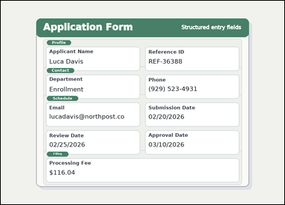 |  | task_documents_relation_section_extremum_value | earliest_date_in_section | You are given a structured application form with visible section headers and labeled fields. In the Schedule section, what is the earliest date shown? Return the exact date shown. Answer with the exact date text shown. Return a valid JSON object with keys "evidence" and "answer" in that order. Evidence field: set "evidence" to an array containing exactly one bounding box for the winning value. Answer field: set "answer" to the exact winning value text shown in the named section. Example JSON: {"evidence":[[150,260,364,294]],"answer":"2026-03-18"} | You are given a structured application form with visible section headers and labeled fields. In the Schedule section, what is the earliest date shown? Return the exact date shown. Answer with the exact date text shown. Return a valid JSON object with key "answer". Answer: set "answer" to the exact winning value text shown in the named section. Example JSON: {"answer":"2026-03-18"} | {"evidence": [[666.0, 513.5, 830.0, 538.5]], "answer": "02/20/2026"} | [[666.0, 513.5, 830.0, 538.5]] | string | bbox_set | 4.4645368568E+15 | documents/task_documents_relation_section_extremum_value/images/earliest_date_in_section/0024.png | documents/task_documents_relation_section_extremum_value/data/earliest_date_in_section/0024.json
 |  | task_documents_relation_section_extremum_value | earliest_date_in_section | Look at the document in the image: a structured application form with visible section headers and labeled fields. Use the section headers and labeled fields to answer: In the Schedule section, what is the earliest date shown? Return the exact date shown. Answer using the exact date value. Return a valid JSON object with keys "evidence" and "answer" in that order. Evidence rule: set "evidence" to an array containing exactly one bounding box for the winning value. Answer rule: set "answer" to the exact winning value text shown in the named section. Example JSON: {"evidence":[[150,260,364,294]],"answer":"2026-03-18"} | Look at the document in the image: a structured application form with visible section headers and labeled fields. Use the section headers and labeled fields to answer: In the Schedule section, what is the earliest date shown? Return the exact date shown. Answer using the exact date value. Return a valid JSON object with key "answer". Answer rule: set "answer" to the exact winning value text shown in the named section. Example JSON: {"answer":"2026-03-18"} | {"evidence": [[666.0, 513.5, 830.0, 538.5]], "answer": "02/23/2026"} | [[666.0, 513.5, 830.0, 538.5]] | string | bbox_set | 4.5603948622E+15 | documents/task_documents_relation_section_extremum_value/images/earliest_date_in_section/0000.png | documents/task_documents_relation_section_extremum_value/data/earliest_date_in_section/0000.json
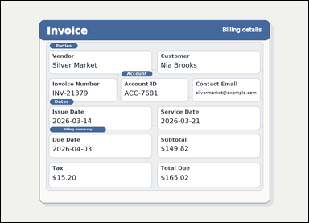 |  | task_documents_relation_section_extremum_value | earliest_date_in_section | Read the named sections in this document: an invoice with visible named sections, labeled header fields, and summary blocks. In the Dates section, what is the earliest date shown? Return the exact date shown. Respond with the exact winning date text from that section. Return a valid JSON object with keys "evidence" and "answer" in that order. Evidence format: set "evidence" to an array containing exactly one bounding box for the winning value. Answer requirement: set "answer" to the exact winning value text shown in the named section. Example JSON: {"evidence":[[150,260,364,294]],"answer":"2026-03-18"} | Read the named sections in this document: an invoice with visible named sections, labeled header fields, and summary blocks. In the Dates section, what is the earliest date shown? Return the exact date shown. Respond with the exact winning date text from that section. Return a valid JSON object with key "answer". Answer: set "answer" to the exact winning value text shown in the named section. Example JSON: {"answer":"2026-03-18"} | {"evidence": [[214.0, 488.0, 380.0, 510.0]], "answer": "2026-03-14"} | [[214.0, 488.0, 380.0, 510.0]] | string | bbox_set | 4.8730701168E+15 | documents/task_documents_relation_section_extremum_value/images/earliest_date_in_section/0010.png | documents/task_documents_relation_section_extremum_value/data/earliest_date_in_section/0010.json
 |  | task_documents_relation_section_extremum_value | earliest_date_in_section | The image shows a structured application form with visible section headers and labeled fields. In the Schedule section, what is the earliest date shown? Return the exact date shown. Answer with the exact date text shown. Return a valid JSON object with keys "evidence" and "answer" in that order. Evidence requirement: set "evidence" to an array containing exactly one bounding box for the winning value. Answer format: set "answer" to the exact winning value text shown in the named section. Example JSON: {"evidence":[[150,260,364,294]],"answer":"2026-03-18"} | The image shows a structured application form with visible section headers and labeled fields. In the Schedule section, what is the earliest date shown? Return the exact date shown. Answer with the exact date text shown. Return a valid JSON object with key "answer". Answer requirement: set "answer" to the exact winning value text shown in the named section. Example JSON: {"answer":"2026-03-18"} | {"evidence": [[666.0, 513.5, 830.0, 538.5]], "answer": "02/03/2026"} | [[666.0, 513.5, 830.0, 538.5]] | string | bbox_set | 5.0925267463E+15 | documents/task_documents_relation_section_extremum_value/images/earliest_date_in_section/0019.png | documents/task_documents_relation_section_extremum_value/data/earliest_date_in_section/0019.json
 |  | task_documents_relation_section_extremum_value | earliest_date_in_section | You are given a structured application form with visible section headers and labeled fields. Find the named section and then answer: In the Schedule section, what is the earliest date shown? Return the exact date shown. Give the exact date shown for the winning value. Return a valid JSON object with keys "evidence" and "answer" in that order. Evidence rule: set "evidence" to an array containing exactly one bounding box for the winning value. Answer rule: set "answer" to the exact winning value text shown in the named section. Example JSON: {"evidence":[[150,260,364,294]],"answer":"2026-03-18"} | You are given a structured application form with visible section headers and labeled fields. Find the named section and then answer: In the Schedule section, what is the earliest date shown? Return the exact date shown. Give the exact date shown for the winning value. Return a valid JSON object with key "answer". Answer rule: set "answer" to the exact winning value text shown in the named section. Example JSON: {"answer":"2026-03-18"} | {"evidence": [[666.0, 513.5, 830.0, 538.5]], "answer": "02/09/2026"} | [[666.0, 513.5, 830.0, 538.5]] | string | bbox_set | 5.6251265388E+15 | documents/task_documents_relation_section_extremum_value/images/earliest_date_in_section/0021.png | documents/task_documents_relation_section_extremum_value/data/earliest_date_in_section/0021.json
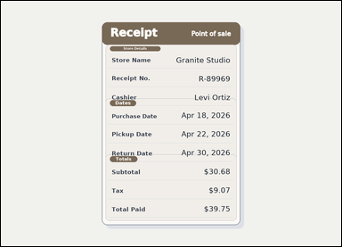 | 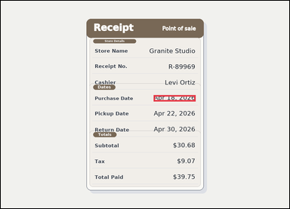 | task_documents_relation_section_extremum_value | earliest_date_in_section | The image shows a receipt-style document with visible section headers and labeled totals rows. Read the document and answer this question: In the Dates section, what is the earliest date shown? Return the exact date shown. Answer with the exact date text shown. Return a valid JSON object with keys "evidence" and "answer" in that order. Evidence rule: set "evidence" to an array containing exactly one bounding box for the winning value. Answer rule: set "answer" to the exact winning value text shown in the named section. Example JSON: {"evidence":[[150,260,364,294]],"answer":"2026-03-18"} | The image shows a receipt-style document with visible section headers and labeled totals rows. Read the document and answer this question: In the Dates section, what is the earliest date shown? Return the exact date shown. Answer with the exact date text shown. Return a valid JSON object with key "answer". Answer rule: set "answer" to the exact winning value text shown in the named section. Example JSON: {"answer":"2026-03-18"} | {"evidence": [[678.0, 418.0, 864.0, 446.0]], "answer": "Apr 18, 2026"} | [[678.0, 418.0, 864.0, 446.0]] | string | bbox_set | 5.7402132341E+15 | documents/task_documents_relation_section_extremum_value/images/earliest_date_in_section/0013.png | documents/task_documents_relation_section_extremum_value/data/earliest_date_in_section/0013.json
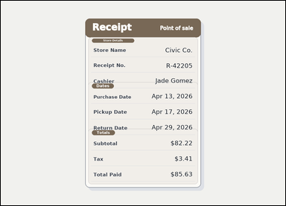 | 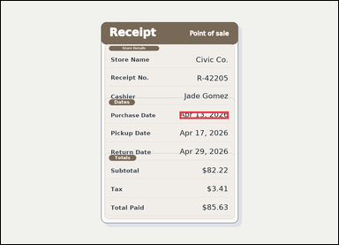 | task_documents_relation_section_extremum_value | earliest_date_in_section | Use the structured document in the image: a receipt-style document with visible section headers and labeled totals rows. Locate the relevant section before answering: In the Dates section, what is the earliest date shown? Return the exact date shown. Answer using the exact date value. Return a valid JSON object with keys "evidence" and "answer" in that order. Evidence field: set "evidence" to an array containing exactly one bounding box for the winning value. Answer field: set "answer" to the exact winning value text shown in the named section. Example JSON: {"evidence":[[150,260,364,294]],"answer":"2026-03-18"} | Use the structured document in the image: a receipt-style document with visible section headers and labeled totals rows. Locate the relevant section before answering: In the Dates section, what is the earliest date shown? Return the exact date shown. Answer using the exact date value. Return a valid JSON object with key "answer". Answer format: set "answer" to the exact winning value text shown in the named section. Example JSON: {"answer":"2026-03-18"} | {"evidence": [[678.0, 418.0, 864.0, 446.0]], "answer": "Apr 13, 2026"} | [[678.0, 418.0, 864.0, 446.0]] | string | bbox_set | 5.763367337E+15 | documents/task_documents_relation_section_extremum_value/images/earliest_date_in_section/0009.png | documents/task_documents_relation_section_extremum_value/data/earliest_date_in_section/0009.json
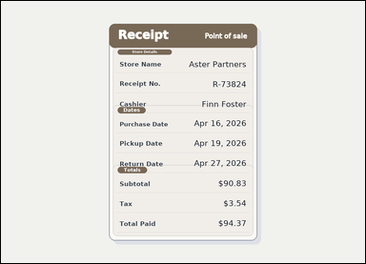 | 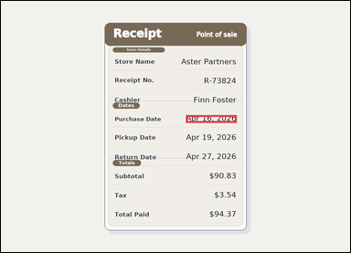 | task_documents_relation_section_extremum_value | earliest_date_in_section | The image shows a receipt-style document with visible section headers and labeled totals rows. Use the section headers and labeled fields to answer: In the Dates section, what is the earliest date shown? Return the exact date shown. Answer using the exact date value. Return a valid JSON object with keys "evidence" and "answer" in that order. Evidence field: set "evidence" to an array containing exactly one bounding box for the winning value. Answer field: set "answer" to the exact winning value text shown in the named section. Example JSON: {"evidence":[[150,260,364,294]],"answer":"2026-03-18"} | The image shows a receipt-style document with visible section headers and labeled totals rows. Use the section headers and labeled fields to answer: In the Dates section, what is the earliest date shown? Return the exact date shown. Answer using the exact date value. Return a valid JSON object with key "answer". Answer requirement: set "answer" to the exact winning value text shown in the named section. Example JSON: {"answer":"2026-03-18"} | {"evidence": [[678.0, 418.0, 864.0, 446.0]], "answer": "Apr 16, 2026"} | [[678.0, 418.0, 864.0, 446.0]] | string | bbox_set | 5.9749809721E+15 | documents/task_documents_relation_section_extremum_value/images/earliest_date_in_section/0015.png | documents/task_documents_relation_section_extremum_value/data/earliest_date_in_section/0015.json
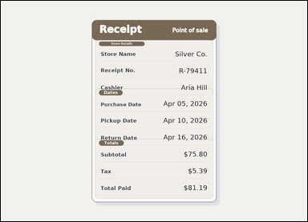 |  | task_documents_relation_section_extremum_value | earliest_date_in_section | Look at the document in the image: a receipt-style document with visible section headers and labeled totals rows. Find the named section and then answer: In the Dates section, what is the earliest date shown? Return the exact date shown. Give the exact date shown for the winning value. Return a valid JSON object with keys "evidence" and "answer" in that order. Evidence field: set "evidence" to an array containing exactly one bounding box for the winning value. Answer field: set "answer" to the exact winning value text shown in the named section. Example JSON: {"evidence":[[150,260,364,294]],"answer":"2026-03-18"} | Look at the document in the image: a receipt-style document with visible section headers and labeled totals rows. Find the named section and then answer: In the Dates section, what is the earliest date shown? Return the exact date shown. Give the exact date shown for the winning value. Return a valid JSON object with key "answer". Answer rule: set "answer" to the exact winning value text shown in the named section. Example JSON: {"answer":"2026-03-18"} | {"evidence": [[678.0, 418.0, 864.0, 446.0]], "answer": "Apr 05, 2026"} | [[678.0, 418.0, 864.0, 446.0]] | string | bbox_set | 6.248818125E+15 | documents/task_documents_relation_section_extremum_value/images/earliest_date_in_section/0005.png | documents/task_documents_relation_section_extremum_value/data/earliest_date_in_section/0005.json
 |  | task_documents_relation_section_extremum_value | earliest_date_in_section | You are given a receipt-style document with visible section headers and labeled totals rows. In the Dates section, what is the earliest date shown? Return the exact date shown. Return the exact date as written in the document. Return a valid JSON object with keys "evidence" and "answer" in that order. Evidence requirement: set "evidence" to an array containing exactly one bounding box for the winning value. Answer format: set "answer" to the exact winning value text shown in the named section. Example JSON: {"evidence":[[150,260,364,294]],"answer":"2026-03-18"} | You are given a receipt-style document with visible section headers and labeled totals rows. In the Dates section, what is the earliest date shown? Return the exact date shown. Return the exact date as written in the document. Return a valid JSON object with key "answer". Answer: set "answer" to the exact winning value text shown in the named section. Example JSON: {"answer":"2026-03-18"} | {"evidence": [[678.0, 418.0, 864.0, 446.0]], "answer": "Apr 08, 2026"} | [[678.0, 418.0, 864.0, 446.0]] | string | bbox_set | 6.5587863563E+15 | documents/task_documents_relation_section_extremum_value/images/earliest_date_in_section/0018.png | documents/task_documents_relation_section_extremum_value/data/earliest_date_in_section/0018.json
 |  | task_documents_relation_section_extremum_value | earliest_date_in_section | Use the structured document in the image: an invoice with visible named sections, labeled header fields, and summary blocks. Find the named section and then answer: In the Dates section, what is the earliest date shown? Return the exact date shown. Answer using the exact date value. Return a valid JSON object with keys "evidence" and "answer" in that order. Evidence field: set "evidence" to an array containing exactly one bounding box for the winning value. Answer field: set "answer" to the exact winning value text shown in the named section. Example JSON: {"evidence":[[150,260,364,294]],"answer":"2026-03-18"} | Use the structured document in the image: an invoice with visible named sections, labeled header fields, and summary blocks. Find the named section and then answer: In the Dates section, what is the earliest date shown? Return the exact date shown. Answer using the exact date value. Return a valid JSON object with key "answer". Answer rule: set "answer" to the exact winning value text shown in the named section. Example JSON: {"answer":"2026-03-18"} | {"evidence": [[214.0, 488.0, 380.0, 510.0]], "answer": "2026-03-07"} | [[214.0, 488.0, 380.0, 510.0]] | string | bbox_set | 7.2174709913E+15 | documents/task_documents_relation_section_extremum_value/images/earliest_date_in_section/0011.png | documents/task_documents_relation_section_extremum_value/data/earliest_date_in_section/0011.json
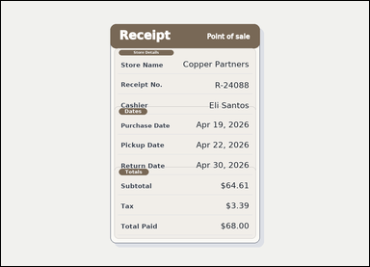 | 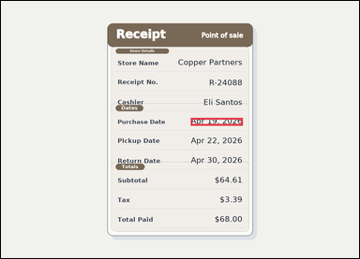 | task_documents_relation_section_extremum_value | earliest_date_in_section | Read the named sections in this document: a receipt-style document with visible section headers and labeled totals rows. Locate the relevant section before answering: In the Dates section, what is the earliest date shown? Return the exact date shown. Return the exact date as written in the document. Return a valid JSON object with keys "evidence" and "answer" in that order. Evidence: set "evidence" to an array containing exactly one bounding box for the winning value. Answer: set "answer" to the exact winning value text shown in the named section. Example JSON: {"evidence":[[150,260,364,294]],"answer":"2026-03-18"} | Read the named sections in this document: a receipt-style document with visible section headers and labeled totals rows. Locate the relevant section before answering: In the Dates section, what is the earliest date shown? Return the exact date shown. Return the exact date as written in the document. Return a valid JSON object with key "answer". Answer format: set "answer" to the exact winning value text shown in the named section. Example JSON: {"answer":"2026-03-18"} | {"evidence": [[678.0, 418.0, 864.0, 446.0]], "answer": "Apr 19, 2026"} | [[678.0, 418.0, 864.0, 446.0]] | string | bbox_set | 7.3030735409E+15 | documents/task_documents_relation_section_extremum_value/images/earliest_date_in_section/0003.png | documents/task_documents_relation_section_extremum_value/data/earliest_date_in_section/0003.json
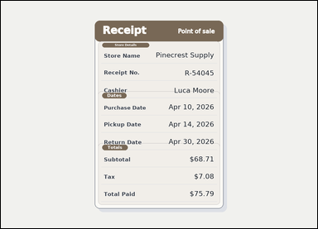 |  | task_documents_relation_section_extremum_value | earliest_date_in_section | Use the structured document in the image: a receipt-style document with visible section headers and labeled totals rows. Find the named section and then answer: In the Dates section, what is the earliest date shown? Return the exact date shown. Answer with the exact date text shown. Return a valid JSON object with keys "evidence" and "answer" in that order. Evidence field: set "evidence" to an array containing exactly one bounding box for the winning value. Answer field: set "answer" to the exact winning value text shown in the named section. Example JSON: {"evidence":[[150,260,364,294]],"answer":"2026-03-18"} | Use the structured document in the image: a receipt-style document with visible section headers and labeled totals rows. Find the named section and then answer: In the Dates section, what is the earliest date shown? Return the exact date shown. Answer with the exact date text shown. Return a valid JSON object with key "answer". Answer field: set "answer" to the exact winning value text shown in the named section. Example JSON: {"answer":"2026-03-18"} | {"evidence": [[678.0, 418.0, 864.0, 446.0]], "answer": "Apr 10, 2026"} | [[678.0, 418.0, 864.0, 446.0]] | string | bbox_set | 7.6275075524E+15 | documents/task_documents_relation_section_extremum_value/images/earliest_date_in_section/0007.png | documents/task_documents_relation_section_extremum_value/data/earliest_date_in_section/0007.json
 |  | task_documents_relation_section_extremum_value | earliest_date_in_section | Read the named sections in this document: an invoice with visible named sections, labeled header fields, and summary blocks. Locate the relevant section before answering: In the Dates section, what is the earliest date shown? Return the exact date shown. Answer with the exact date text shown. Return a valid JSON object with keys "evidence" and "answer" in that order. Evidence rule: set "evidence" to an array containing exactly one bounding box for the winning value. Answer rule: set "answer" to the exact winning value text shown in the named section. Example JSON: {"evidence":[[150,260,364,294]],"answer":"2026-03-18"} | Read the named sections in this document: an invoice with visible named sections, labeled header fields, and summary blocks. Locate the relevant section before answering: In the Dates section, what is the earliest date shown? Return the exact date shown. Answer with the exact date text shown. Return a valid JSON object with key "answer". Answer requirement: set "answer" to the exact winning value text shown in the named section. Example JSON: {"answer":"2026-03-18"} | {"evidence": [[214.0, 488.0, 380.0, 510.0]], "answer": "2026-03-13"} | [[214.0, 488.0, 380.0, 510.0]] | string | bbox_set | 8.2235802196E+15 | documents/task_documents_relation_section_extremum_value/images/earliest_date_in_section/0006.png | documents/task_documents_relation_section_extremum_value/data/earliest_date_in_section/0006.json
 | 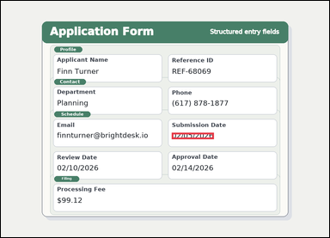 | task_documents_relation_section_extremum_value | earliest_date_in_section | Look at the document in the image: a structured application form with visible section headers and labeled fields. Use the section headers and labeled fields to answer: In the Schedule section, what is the earliest date shown? Return the exact date shown. Respond with the exact winning date text from that section. Return a valid JSON object with keys "evidence" and "answer" in that order. Evidence requirement: set "evidence" to an array containing exactly one bounding box for the winning value. Answer format: set "answer" to the exact winning value text shown in the named section. Example JSON: {"evidence":[[150,260,364,294]],"answer":"2026-03-18"} | Look at the document in the image: a structured application form with visible section headers and labeled fields. Use the section headers and labeled fields to answer: In the Schedule section, what is the earliest date shown? Return the exact date shown. Respond with the exact winning date text from that section. Return a valid JSON object with key "answer". Answer format: set "answer" to the exact winning value text shown in the named section. Example JSON: {"answer":"2026-03-18"} | {"evidence": [[666.0, 513.5, 830.0, 538.5]], "answer": "02/05/2026"} | [[666.0, 513.5, 830.0, 538.5]] | string | bbox_set | 8.6592044138E+15 | documents/task_documents_relation_section_extremum_value/images/earliest_date_in_section/0014.png | documents/task_documents_relation_section_extremum_value/data/earliest_date_in_section/0014.json

largest_amount_in_section
image | evidence_image | task | task_variant | prompt | prompt_answer_only | answer | answer_evidence | answer_type | evidence_type | instance_seed | image_path | data_path
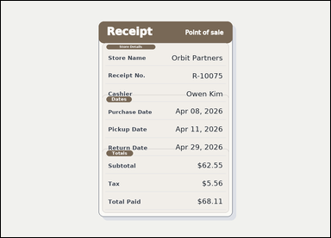 | 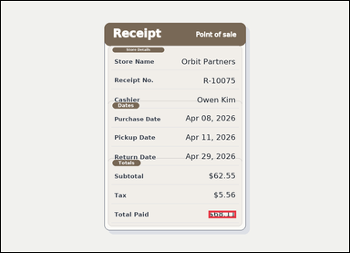 | task_documents_relation_section_extremum_value | largest_amount_in_section | Read the named sections in this document: a receipt-style document with visible section headers and labeled totals rows. Locate the relevant section before answering: In the Totals section, what is the largest amount shown? Return the exact amount shown. Give the exact amount shown for the winning value. Return a valid JSON object with keys "evidence" and "answer" in that order. Evidence field: set "evidence" to an array containing exactly one bounding box for the winning value. Answer field: set "answer" to the exact winning value text shown in the named section. Example JSON: {"evidence":[[150,260,364,294]],"answer":"$128.40"} | Read the named sections in this document: a receipt-style document with visible section headers and labeled totals rows. Locate the relevant section before answering: In the Totals section, what is the largest amount shown? Return the exact amount shown. Give the exact amount shown for the winning value. Return a valid JSON object with key "answer". Answer: set "answer" to the exact winning value text shown in the named section. Example JSON: {"answer":"$128.40"} | {"evidence": [[763.0, 768.5, 864.0, 795.5]], "answer": "$68.11"} | [[763.0, 768.5, 864.0, 795.5]] | string | bbox_set | 123510184253768 | documents/task_documents_relation_section_extremum_value/images/largest_amount_in_section/0016.png | documents/task_documents_relation_section_extremum_value/data/largest_amount_in_section/0016.json
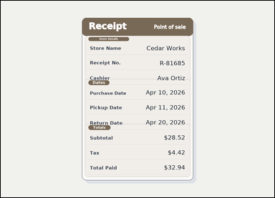 |  | task_documents_relation_section_extremum_value | largest_amount_in_section | Use the structured document in the image: a receipt-style document with visible section headers and labeled totals rows. In the Totals section, what is the largest amount shown? Return the exact amount shown. Answer with the exact amount text shown. Return a valid JSON object with keys "evidence" and "answer" in that order. Evidence format: set "evidence" to an array containing exactly one bounding box for the winning value. Answer requirement: set "answer" to the exact winning value text shown in the named section. Example JSON: {"evidence":[[150,260,364,294]],"answer":"$128.40"} | Use the structured document in the image: a receipt-style document with visible section headers and labeled totals rows. In the Totals section, what is the largest amount shown? Return the exact amount shown. Answer with the exact amount text shown. Return a valid JSON object with key "answer". Answer format: set "answer" to the exact winning value text shown in the named section. Example JSON: {"answer":"$128.40"} | {"evidence": [[763.0, 768.5, 864.0, 795.5]], "answer": "$32.94"} | [[763.0, 768.5, 864.0, 795.5]] | string | bbox_set | 325680273429056 | documents/task_documents_relation_section_extremum_value/images/largest_amount_in_section/0002.png | documents/task_documents_relation_section_extremum_value/data/largest_amount_in_section/0002.json
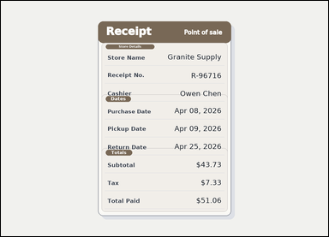 |  | task_documents_relation_section_extremum_value | largest_amount_in_section | Look at the document in the image: a receipt-style document with visible section headers and labeled totals rows. In the Totals section, what is the largest amount shown? Return the exact amount shown. Answer using the exact amount value. Return a valid JSON object with keys "evidence" and "answer" in that order. Evidence: set "evidence" to an array containing exactly one bounding box for the winning value. Answer: set "answer" to the exact winning value text shown in the named section. Example JSON: {"evidence":[[150,260,364,294]],"answer":"$128.40"} | Look at the document in the image: a receipt-style document with visible section headers and labeled totals rows. In the Totals section, what is the largest amount shown? Return the exact amount shown. Answer using the exact amount value. Return a valid JSON object with key "answer". Answer format: set "answer" to the exact winning value text shown in the named section. Example JSON: {"answer":"$128.40"} | {"evidence": [[763.0, 768.5, 864.0, 795.5]], "answer": "$51.06"} | [[763.0, 768.5, 864.0, 795.5]] | string | bbox_set | 479434246509759 | documents/task_documents_relation_section_extremum_value/images/largest_amount_in_section/0000.png | documents/task_documents_relation_section_extremum_value/data/largest_amount_in_section/0000.json
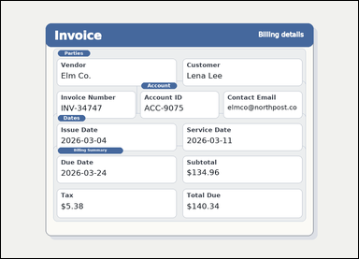 | 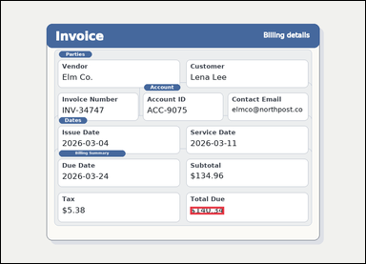 | task_documents_relation_section_extremum_value | largest_amount_in_section | You are given an invoice with visible named sections, labeled header fields, and summary blocks. Use the section headers and labeled fields to answer: In the Billing Summary section, what is the largest amount shown? Return the exact amount shown. Answer using the exact amount value. Return a valid JSON object with keys "evidence" and "answer" in that order. Evidence format: set "evidence" to an array containing exactly one bounding box for the winning value. Answer requirement: set "answer" to the exact winning value text shown in the named section. Example JSON: {"evidence":[[150,260,364,294]],"answer":"$128.40"} | You are given an invoice with visible named sections, labeled header fields, and summary blocks. Use the section headers and labeled fields to answer: In the Billing Summary section, what is the largest amount shown? Return the exact amount shown. Answer using the exact amount value. Return a valid JSON object with key "answer". Answer requirement: set "answer" to the exact winning value text shown in the named section. Example JSON: {"answer":"$128.40"} | {"evidence": [[665.0, 722.5, 784.0, 749.5]], "answer": "$140.34"} | [[665.0, 722.5, 784.0, 749.5]] | string | bbox_set | 625551629829606 | documents/task_documents_relation_section_extremum_value/images/largest_amount_in_section/0014.png | documents/task_documents_relation_section_extremum_value/data/largest_amount_in_section/0014.json
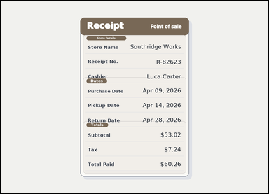 |  | task_documents_relation_section_extremum_value | largest_amount_in_section | Use the structured document in the image: a receipt-style document with visible section headers and labeled totals rows. In the Totals section, what is the largest amount shown? Return the exact amount shown. Respond with the exact winning amount text from that section. Return a valid JSON object with keys "evidence" and "answer" in that order. Evidence rule: set "evidence" to an array containing exactly one bounding box for the winning value. Answer rule: set "answer" to the exact winning value text shown in the named section. Example JSON: {"evidence":[[150,260,364,294]],"answer":"$128.40"} | Use the structured document in the image: a receipt-style document with visible section headers and labeled totals rows. In the Totals section, what is the largest amount shown? Return the exact amount shown. Respond with the exact winning amount text from that section. Return a valid JSON object with key "answer". Answer rule: set "answer" to the exact winning value text shown in the named section. Example JSON: {"answer":"$128.40"} | {"evidence": [[763.0, 768.5, 864.0, 795.5]], "answer": "$60.26"} | [[763.0, 768.5, 864.0, 795.5]] | string | bbox_set | 836192086677441 | documents/task_documents_relation_section_extremum_value/images/largest_amount_in_section/0008.png | documents/task_documents_relation_section_extremum_value/data/largest_amount_in_section/0008.json
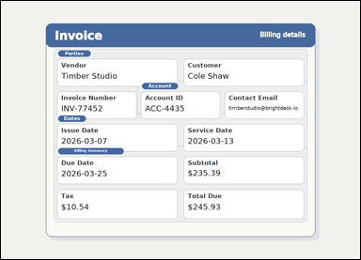 | 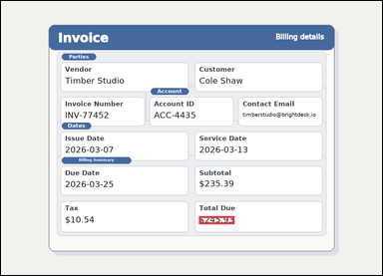 | task_documents_relation_section_extremum_value | largest_amount_in_section | Look at the document in the image: an invoice with visible named sections, labeled header fields, and summary blocks. Find the named section and then answer: In the Billing Summary section, what is the largest amount shown? Return the exact amount shown. Respond with the exact winning amount text from that section. Return a valid JSON object with keys "evidence" and "answer" in that order. Evidence format: set "evidence" to an array containing exactly one bounding box for the winning value. Answer requirement: set "answer" to the exact winning value text shown in the named section. Example JSON: {"evidence":[[150,260,364,294]],"answer":"$128.40"} | Look at the document in the image: an invoice with visible named sections, labeled header fields, and summary blocks. Find the named section and then answer: In the Billing Summary section, what is the largest amount shown? Return the exact amount shown. Respond with the exact winning amount text from that section. Return a valid JSON object with key "answer". Answer requirement: set "answer" to the exact winning value text shown in the named section. Example JSON: {"answer":"$128.40"} | {"evidence": [[665.0, 722.5, 784.0, 749.5]], "answer": "$245.93"} | [[665.0, 722.5, 784.0, 749.5]] | string | bbox_set | 1.0828677808E+15 | documents/task_documents_relation_section_extremum_value/images/largest_amount_in_section/0021.png | documents/task_documents_relation_section_extremum_value/data/largest_amount_in_section/0021.json
 |  | task_documents_relation_section_extremum_value | largest_amount_in_section | You are given a receipt-style document with visible section headers and labeled totals rows. Locate the relevant section before answering: In the Totals section, what is the largest amount shown? Return the exact amount shown. Give the exact amount shown for the winning value. Return a valid JSON object with keys "evidence" and "answer" in that order. Evidence rule: set "evidence" to an array containing exactly one bounding box for the winning value. Answer rule: set "answer" to the exact winning value text shown in the named section. Example JSON: {"evidence":[[150,260,364,294]],"answer":"$128.40"} | You are given a receipt-style document with visible section headers and labeled totals rows. Locate the relevant section before answering: In the Totals section, what is the largest amount shown? Return the exact amount shown. Give the exact amount shown for the winning value. Return a valid JSON object with key "answer". Answer format: set "answer" to the exact winning value text shown in the named section. Example JSON: {"answer":"$128.40"} | {"evidence": [[763.0, 768.5, 864.0, 795.5]], "answer": "$68.26"} | [[763.0, 768.5, 864.0, 795.5]] | string | bbox_set | 1.4637187016E+15 | documents/task_documents_relation_section_extremum_value/images/largest_amount_in_section/0017.png | documents/task_documents_relation_section_extremum_value/data/largest_amount_in_section/0017.json
 |  | task_documents_relation_section_extremum_value | largest_amount_in_section | Use the structured document in the image: a receipt-style document with visible section headers and labeled totals rows. Use the section headers and labeled fields to answer: In the Totals section, what is the largest amount shown? Return the exact amount shown. Answer with the exact amount text shown. Return a valid JSON object with keys "evidence" and "answer" in that order. Evidence: set "evidence" to an array containing exactly one bounding box for the winning value. Answer: set "answer" to the exact winning value text shown in the named section. Example JSON: {"evidence":[[150,260,364,294]],"answer":"$128.40"} | Use the structured document in the image: a receipt-style document with visible section headers and labeled totals rows. Use the section headers and labeled fields to answer: In the Totals section, what is the largest amount shown? Return the exact amount shown. Answer with the exact amount text shown. Return a valid JSON object with key "answer". Answer: set "answer" to the exact winning value text shown in the named section. Example JSON: {"answer":"$128.40"} | {"evidence": [[763.0, 768.5, 864.0, 795.5]], "answer": "$94.66"} | [[763.0, 768.5, 864.0, 795.5]] | string | bbox_set | 1.7748755885E+15 | documents/task_documents_relation_section_extremum_value/images/largest_amount_in_section/0011.png | documents/task_documents_relation_section_extremum_value/data/largest_amount_in_section/0011.json
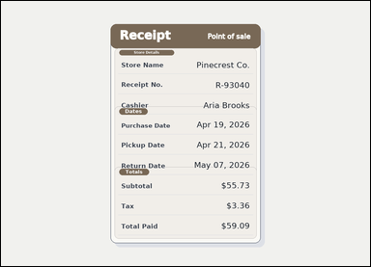 | 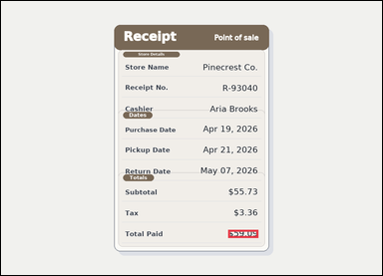 | task_documents_relation_section_extremum_value | largest_amount_in_section | The image shows a receipt-style document with visible section headers and labeled totals rows. Locate the relevant section before answering: In the Totals section, what is the largest amount shown? Return the exact amount shown. Answer using the exact amount value. Return a valid JSON object with keys "evidence" and "answer" in that order. Evidence requirement: set "evidence" to an array containing exactly one bounding box for the winning value. Answer format: set "answer" to the exact winning value text shown in the named section. Example JSON: {"evidence":[[150,260,364,294]],"answer":"$128.40"} | The image shows a receipt-style document with visible section headers and labeled totals rows. Locate the relevant section before answering: In the Totals section, what is the largest amount shown? Return the exact amount shown. Answer using the exact amount value. Return a valid JSON object with key "answer". Answer: set "answer" to the exact winning value text shown in the named section. Example JSON: {"answer":"$128.40"} | {"evidence": [[763.0, 768.5, 864.0, 795.5]], "answer": "$59.09"} | [[763.0, 768.5, 864.0, 795.5]] | string | bbox_set | 2.7122004255E+15 | documents/task_documents_relation_section_extremum_value/images/largest_amount_in_section/0004.png | documents/task_documents_relation_section_extremum_value/data/largest_amount_in_section/0004.json
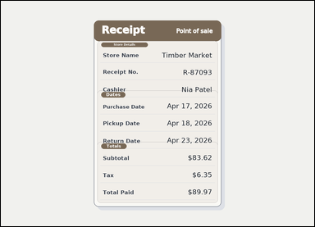 |  | task_documents_relation_section_extremum_value | largest_amount_in_section | Look at the document in the image: a receipt-style document with visible section headers and labeled totals rows. Find the named section and then answer: In the Totals section, what is the largest amount shown? Return the exact amount shown. Answer with the exact amount text shown. Return a valid JSON object with keys "evidence" and "answer" in that order. Evidence: set "evidence" to an array containing exactly one bounding box for the winning value. Answer: set "answer" to the exact winning value text shown in the named section. Example JSON: {"evidence":[[150,260,364,294]],"answer":"$128.40"} | Look at the document in the image: a receipt-style document with visible section headers and labeled totals rows. Find the named section and then answer: In the Totals section, what is the largest amount shown? Return the exact amount shown. Answer with the exact amount text shown. Return a valid JSON object with key "answer". Answer requirement: set "answer" to the exact winning value text shown in the named section. Example JSON: {"answer":"$128.40"} | {"evidence": [[763.0, 768.5, 864.0, 795.5]], "answer": "$89.97"} | [[763.0, 768.5, 864.0, 795.5]] | string | bbox_set | 2.9874058862E+15 | documents/task_documents_relation_section_extremum_value/images/largest_amount_in_section/0005.png | documents/task_documents_relation_section_extremum_value/data/largest_amount_in_section/0005.json
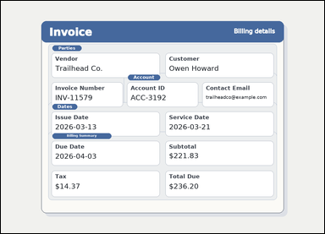 | 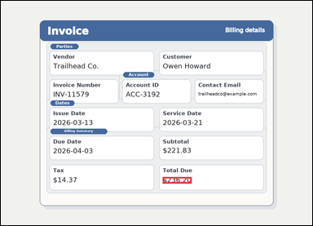 | task_documents_relation_section_extremum_value | largest_amount_in_section | You are given an invoice with visible named sections, labeled header fields, and summary blocks. Find the named section and then answer: In the Billing Summary section, what is the largest amount shown? Return the exact amount shown. Answer with the exact amount text shown. Return a valid JSON object with keys "evidence" and "answer" in that order. Evidence requirement: set "evidence" to an array containing exactly one bounding box for the winning value. Answer format: set "answer" to the exact winning value text shown in the named section. Example JSON: {"evidence":[[150,260,364,294]],"answer":"$128.40"} | You are given an invoice with visible named sections, labeled header fields, and summary blocks. Find the named section and then answer: In the Billing Summary section, what is the largest amount shown? Return the exact amount shown. Answer with the exact amount text shown. Return a valid JSON object with key "answer". Answer field: set "answer" to the exact winning value text shown in the named section. Example JSON: {"answer":"$128.40"} | {"evidence": [[665.0, 722.5, 784.0, 749.5]], "answer": "$236.20"} | [[665.0, 722.5, 784.0, 749.5]] | string | bbox_set | 3.1384242716E+15 | documents/task_documents_relation_section_extremum_value/images/largest_amount_in_section/0001.png | documents/task_documents_relation_section_extremum_value/data/largest_amount_in_section/0001.json
 |  | task_documents_relation_section_extremum_value | largest_amount_in_section | The image shows an invoice with visible named sections, labeled header fields, and summary blocks. Find the named section and then answer: In the Billing Summary section, what is the largest amount shown? Return the exact amount shown. Respond with the exact winning amount text from that section. Return a valid JSON object with keys "evidence" and "answer" in that order. Evidence format: set "evidence" to an array containing exactly one bounding box for the winning value. Answer requirement: set "answer" to the exact winning value text shown in the named section. Example JSON: {"evidence":[[150,260,364,294]],"answer":"$128.40"} | The image shows an invoice with visible named sections, labeled header fields, and summary blocks. Find the named section and then answer: In the Billing Summary section, what is the largest amount shown? Return the exact amount shown. Respond with the exact winning amount text from that section. Return a valid JSON object with key "answer". Answer: set "answer" to the exact winning value text shown in the named section. Example JSON: {"answer":"$128.40"} | {"evidence": [[665.0, 722.5, 784.0, 749.5]], "answer": "$247.25"} | [[665.0, 722.5, 784.0, 749.5]] | string | bbox_set | 3.9439560333E+15 | documents/task_documents_relation_section_extremum_value/images/largest_amount_in_section/0024.png | documents/task_documents_relation_section_extremum_value/data/largest_amount_in_section/0024.json
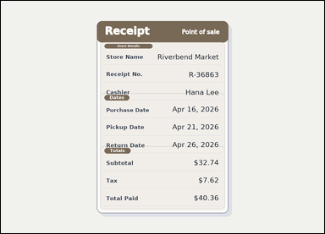 |  | task_documents_relation_section_extremum_value | largest_amount_in_section | Read the named sections in this document: a receipt-style document with visible section headers and labeled totals rows. Use the section headers and labeled fields to answer: In the Totals section, what is the largest amount shown? Return the exact amount shown. Return the exact amount as written in the document. Return a valid JSON object with keys "evidence" and "answer" in that order. Evidence rule: set "evidence" to an array containing exactly one bounding box for the winning value. Answer rule: set "answer" to the exact winning value text shown in the named section. Example JSON: {"evidence":[[150,260,364,294]],"answer":"$128.40"} | Read the named sections in this document: a receipt-style document with visible section headers and labeled totals rows. Use the section headers and labeled fields to answer: In the Totals section, what is the largest amount shown? Return the exact amount shown. Return the exact amount as written in the document. Return a valid JSON object with key "answer". Answer requirement: set "answer" to the exact winning value text shown in the named section. Example JSON: {"answer":"$128.40"} | {"evidence": [[763.0, 768.5, 864.0, 795.5]], "answer": "$40.36"} | [[763.0, 768.5, 864.0, 795.5]] | string | bbox_set | 4.4013983273E+15 | documents/task_documents_relation_section_extremum_value/images/largest_amount_in_section/0003.png | documents/task_documents_relation_section_extremum_value/data/largest_amount_in_section/0003.json
 |  | task_documents_relation_section_extremum_value | largest_amount_in_section | Read the named sections in this document: a receipt-style document with visible section headers and labeled totals rows. Find the named section and then answer: In the Totals section, what is the largest amount shown? Return the exact amount shown. Return the exact amount as written in the document. Return a valid JSON object with keys "evidence" and "answer" in that order. Evidence field: set "evidence" to an array containing exactly one bounding box for the winning value. Answer field: set "answer" to the exact winning value text shown in the named section. Example JSON: {"evidence":[[150,260,364,294]],"answer":"$128.40"} | Read the named sections in this document: a receipt-style document with visible section headers and labeled totals rows. Find the named section and then answer: In the Totals section, what is the largest amount shown? Return the exact amount shown. Return the exact amount as written in the document. Return a valid JSON object with key "answer". Answer rule: set "answer" to the exact winning value text shown in the named section. Example JSON: {"answer":"$128.40"} | {"evidence": [[763.0, 768.5, 864.0, 795.5]], "answer": "$48.00"} | [[763.0, 768.5, 864.0, 795.5]] | string | bbox_set | 4.4050079227E+15 | documents/task_documents_relation_section_extremum_value/images/largest_amount_in_section/0019.png | documents/task_documents_relation_section_extremum_value/data/largest_amount_in_section/0019.json
 | 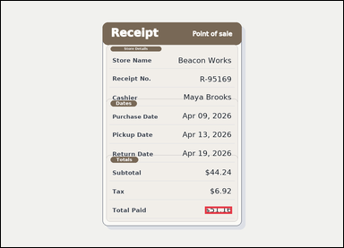 | task_documents_relation_section_extremum_value | largest_amount_in_section | You are given a receipt-style document with visible section headers and labeled totals rows. In the Totals section, what is the largest amount shown? Return the exact amount shown. Answer using the exact amount value. Return a valid JSON object with keys "evidence" and "answer" in that order. Evidence format: set "evidence" to an array containing exactly one bounding box for the winning value. Answer requirement: set "answer" to the exact winning value text shown in the named section. Example JSON: {"evidence":[[150,260,364,294]],"answer":"$128.40"} | You are given a receipt-style document with visible section headers and labeled totals rows. In the Totals section, what is the largest amount shown? Return the exact amount shown. Answer using the exact amount value. Return a valid JSON object with key "answer". Answer field: set "answer" to the exact winning value text shown in the named section. Example JSON: {"answer":"$128.40"} | {"evidence": [[763.0, 768.5, 864.0, 795.5]], "answer": "$51.16"} | [[763.0, 768.5, 864.0, 795.5]] | string | bbox_set | 4.5652875242E+15 | documents/task_documents_relation_section_extremum_value/images/largest_amount_in_section/0015.png | documents/task_documents_relation_section_extremum_value/data/largest_amount_in_section/0015.json
 | 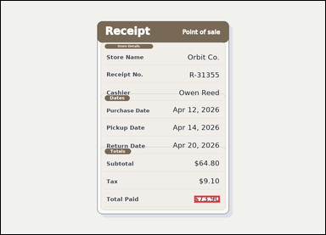 | task_documents_relation_section_extremum_value | largest_amount_in_section | Read the named sections in this document: a receipt-style document with visible section headers and labeled totals rows. Read the document and answer this question: In the Totals section, what is the largest amount shown? Return the exact amount shown. Answer with the exact amount text shown. Return a valid JSON object with keys "evidence" and "answer" in that order. Evidence field: set "evidence" to an array containing exactly one bounding box for the winning value. Answer field: set "answer" to the exact winning value text shown in the named section. Example JSON: {"evidence":[[150,260,364,294]],"answer":"$128.40"} | Read the named sections in this document: a receipt-style document with visible section headers and labeled totals rows. Read the document and answer this question: In the Totals section, what is the largest amount shown? Return the exact amount shown. Answer with the exact amount text shown. Return a valid JSON object with key "answer". Answer requirement: set "answer" to the exact winning value text shown in the named section. Example JSON: {"answer":"$128.40"} | {"evidence": [[763.0, 768.5, 864.0, 795.5]], "answer": "$73.90"} | [[763.0, 768.5, 864.0, 795.5]] | string | bbox_set | 5.3620467878E+15 | documents/task_documents_relation_section_extremum_value/images/largest_amount_in_section/0007.png | documents/task_documents_relation_section_extremum_value/data/largest_amount_in_section/0007.json
 | 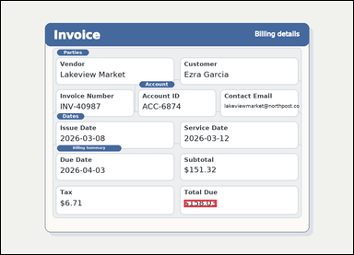 | task_documents_relation_section_extremum_value | largest_amount_in_section | Read the named sections in this document: an invoice with visible named sections, labeled header fields, and summary blocks. Use the section headers and labeled fields to answer: In the Billing Summary section, what is the largest amount shown? Return the exact amount shown. Answer using the exact amount value. Return a valid JSON object with keys "evidence" and "answer" in that order. Evidence field: set "evidence" to an array containing exactly one bounding box for the winning value. Answer field: set "answer" to the exact winning value text shown in the named section. Example JSON: {"evidence":[[150,260,364,294]],"answer":"$128.40"} | Read the named sections in this document: an invoice with visible named sections, labeled header fields, and summary blocks. Use the section headers and labeled fields to answer: In the Billing Summary section, what is the largest amount shown? Return the exact amount shown. Answer using the exact amount value. Return a valid JSON object with key "answer". Answer field: set "answer" to the exact winning value text shown in the named section. Example JSON: {"answer":"$128.40"} | {"evidence": [[665.0, 722.5, 784.0, 749.5]], "answer": "$158.03"} | [[665.0, 722.5, 784.0, 749.5]] | string | bbox_set | 5.4041143923E+15 | documents/task_documents_relation_section_extremum_value/images/largest_amount_in_section/0009.png | documents/task_documents_relation_section_extremum_value/data/largest_amount_in_section/0009.json
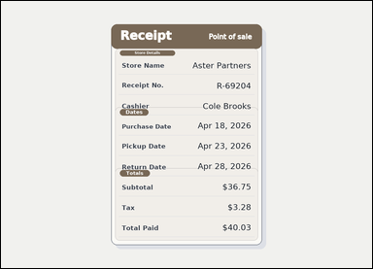 |  | task_documents_relation_section_extremum_value | largest_amount_in_section | Read the named sections in this document: a receipt-style document with visible section headers and labeled totals rows. Use the section headers and labeled fields to answer: In the Totals section, what is the largest amount shown? Return the exact amount shown. Give the exact amount shown for the winning value. Return a valid JSON object with keys "evidence" and "answer" in that order. Evidence format: set "evidence" to an array containing exactly one bounding box for the winning value. Answer requirement: set "answer" to the exact winning value text shown in the named section. Example JSON: {"evidence":[[150,260,364,294]],"answer":"$128.40"} | Read the named sections in this document: a receipt-style document with visible section headers and labeled totals rows. Use the section headers and labeled fields to answer: In the Totals section, what is the largest amount shown? Return the exact amount shown. Give the exact amount shown for the winning value. Return a valid JSON object with key "answer". Answer format: set "answer" to the exact winning value text shown in the named section. Example JSON: {"answer":"$128.40"} | {"evidence": [[763.0, 768.5, 864.0, 795.5]], "answer": "$40.03"} | [[763.0, 768.5, 864.0, 795.5]] | string | bbox_set | 5.4781815452E+15 | documents/task_documents_relation_section_extremum_value/images/largest_amount_in_section/0013.png | documents/task_documents_relation_section_extremum_value/data/largest_amount_in_section/0013.json
 |  | task_documents_relation_section_extremum_value | largest_amount_in_section | The image shows a receipt-style document with visible section headers and labeled totals rows. Use the section headers and labeled fields to answer: In the Totals section, what is the largest amount shown? Return the exact amount shown. Give the exact amount shown for the winning value. Return a valid JSON object with keys "evidence" and "answer" in that order. Evidence format: set "evidence" to an array containing exactly one bounding box for the winning value. Answer requirement: set "answer" to the exact winning value text shown in the named section. Example JSON: {"evidence":[[150,260,364,294]],"answer":"$128.40"} | The image shows a receipt-style document with visible section headers and labeled totals rows. Use the section headers and labeled fields to answer: In the Totals section, what is the largest amount shown? Return the exact amount shown. Give the exact amount shown for the winning value. Return a valid JSON object with key "answer". Answer rule: set "answer" to the exact winning value text shown in the named section. Example JSON: {"answer":"$128.40"} | {"evidence": [[763.0, 768.5, 864.0, 795.5]], "answer": "$79.68"} | [[763.0, 768.5, 864.0, 795.5]] | string | bbox_set | 5.8972877139E+15 | documents/task_documents_relation_section_extremum_value/images/largest_amount_in_section/0022.png | documents/task_documents_relation_section_extremum_value/data/largest_amount_in_section/0022.json
 |  | task_documents_relation_section_extremum_value | largest_amount_in_section | The image shows an invoice with visible named sections, labeled header fields, and summary blocks. Read the document and answer this question: In the Billing Summary section, what is the largest amount shown? Return the exact amount shown. Return the exact amount as written in the document. Return a valid JSON object with keys "evidence" and "answer" in that order. Evidence field: set "evidence" to an array containing exactly one bounding box for the winning value. Answer field: set "answer" to the exact winning value text shown in the named section. Example JSON: {"evidence":[[150,260,364,294]],"answer":"$128.40"} | The image shows an invoice with visible named sections, labeled header fields, and summary blocks. Read the document and answer this question: In the Billing Summary section, what is the largest amount shown? Return the exact amount shown. Return the exact amount as written in the document. Return a valid JSON object with key "answer". Answer format: set "answer" to the exact winning value text shown in the named section. Example JSON: {"answer":"$128.40"} | {"evidence": [[665.0, 722.5, 784.0, 749.5]], "answer": "$234.04"} | [[665.0, 722.5, 784.0, 749.5]] | string | bbox_set | 6.5595264295E+15 | documents/task_documents_relation_section_extremum_value/images/largest_amount_in_section/0023.png | documents/task_documents_relation_section_extremum_value/data/largest_amount_in_section/0023.json
 |  | task_documents_relation_section_extremum_value | largest_amount_in_section | The image shows an invoice with visible named sections, labeled header fields, and summary blocks. Locate the relevant section before answering: In the Billing Summary section, what is the largest amount shown? Return the exact amount shown. Give the exact amount shown for the winning value. Return a valid JSON object with keys "evidence" and "answer" in that order. Evidence field: set "evidence" to an array containing exactly one bounding box for the winning value. Answer field: set "answer" to the exact winning value text shown in the named section. Example JSON: {"evidence":[[150,260,364,294]],"answer":"$128.40"} | The image shows an invoice with visible named sections, labeled header fields, and summary blocks. Locate the relevant section before answering: In the Billing Summary section, what is the largest amount shown? Return the exact amount shown. Give the exact amount shown for the winning value. Return a valid JSON object with key "answer". Answer field: set "answer" to the exact winning value text shown in the named section. Example JSON: {"answer":"$128.40"} | {"evidence": [[665.0, 722.5, 784.0, 749.5]], "answer": "$334.25"} | [[665.0, 722.5, 784.0, 749.5]] | string | bbox_set | 6.9322300785E+15 | documents/task_documents_relation_section_extremum_value/images/largest_amount_in_section/0018.png | documents/task_documents_relation_section_extremum_value/data/largest_amount_in_section/0018.json
 |  | task_documents_relation_section_extremum_value | largest_amount_in_section | Use the structured document in the image: a receipt-style document with visible section headers and labeled totals rows. Locate the relevant section before answering: In the Totals section, what is the largest amount shown? Return the exact amount shown. Answer with the exact amount text shown. Return a valid JSON object with keys "evidence" and "answer" in that order. Evidence rule: set "evidence" to an array containing exactly one bounding box for the winning value. Answer rule: set "answer" to the exact winning value text shown in the named section. Example JSON: {"evidence":[[150,260,364,294]],"answer":"$128.40"} | Use the structured document in the image: a receipt-style document with visible section headers and labeled totals rows. Locate the relevant section before answering: In the Totals section, what is the largest amount shown? Return the exact amount shown. Answer with the exact amount text shown. Return a valid JSON object with key "answer". Answer rule: set "answer" to the exact winning value text shown in the named section. Example JSON: {"answer":"$128.40"} | {"evidence": [[763.0, 768.5, 864.0, 795.5]], "answer": "$96.99"} | [[763.0, 768.5, 864.0, 795.5]] | string | bbox_set | 8.3588128366E+15 | documents/task_documents_relation_section_extremum_value/images/largest_amount_in_section/0012.png | documents/task_documents_relation_section_extremum_value/data/largest_amount_in_section/0012.json
 |  | task_documents_relation_section_extremum_value | largest_amount_in_section | Read the named sections in this document: an invoice with visible named sections, labeled header fields, and summary blocks. Find the named section and then answer: In the Billing Summary section, what is the largest amount shown? Return the exact amount shown. Return the exact amount as written in the document. Return a valid JSON object with keys "evidence" and "answer" in that order. Evidence: set "evidence" to an array containing exactly one bounding box for the winning value. Answer: set "answer" to the exact winning value text shown in the named section. Example JSON: {"evidence":[[150,260,364,294]],"answer":"$128.40"} | Read the named sections in this document: an invoice with visible named sections, labeled header fields, and summary blocks. Find the named section and then answer: In the Billing Summary section, what is the largest amount shown? Return the exact amount shown. Return the exact amount as written in the document. Return a valid JSON object with key "answer". Answer requirement: set "answer" to the exact winning value text shown in the named section. Example JSON: {"answer":"$128.40"} | {"evidence": [[665.0, 722.5, 784.0, 749.5]], "answer": "$160.55"} | [[665.0, 722.5, 784.0, 749.5]] | string | bbox_set | 8.5299669995E+15 | documents/task_documents_relation_section_extremum_value/images/largest_amount_in_section/0020.png | documents/task_documents_relation_section_extremum_value/data/largest_amount_in_section/0020.json
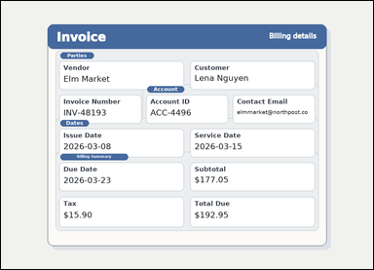 |  | task_documents_relation_section_extremum_value | largest_amount_in_section | You are given an invoice with visible named sections, labeled header fields, and summary blocks. In the Billing Summary section, what is the largest amount shown? Return the exact amount shown. Return the exact amount as written in the document. Return a valid JSON object with keys "evidence" and "answer" in that order. Evidence field: set "evidence" to an array containing exactly one bounding box for the winning value. Answer field: set "answer" to the exact winning value text shown in the named section. Example JSON: {"evidence":[[150,260,364,294]],"answer":"$128.40"} | You are given an invoice with visible named sections, labeled header fields, and summary blocks. In the Billing Summary section, what is the largest amount shown? Return the exact amount shown. Return the exact amount as written in the document. Return a valid JSON object with key "answer". Answer: set "answer" to the exact winning value text shown in the named section. Example JSON: {"answer":"$128.40"} | {"evidence": [[665.0, 722.5, 784.0, 749.5]], "answer": "$192.95"} | [[665.0, 722.5, 784.0, 749.5]] | string | bbox_set | 8.598858853E+15 | documents/task_documents_relation_section_extremum_value/images/largest_amount_in_section/0006.png | documents/task_documents_relation_section_extremum_value/data/largest_amount_in_section/0006.json
 |  | task_documents_relation_section_extremum_value | largest_amount_in_section | Read the named sections in this document: a receipt-style document with visible section headers and labeled totals rows. Locate the relevant section before answering: In the Totals section, what is the largest amount shown? Return the exact amount shown. Answer with the exact amount text shown. Return a valid JSON object with keys "evidence" and "answer" in that order. Evidence format: set "evidence" to an array containing exactly one bounding box for the winning value. Answer requirement: set "answer" to the exact winning value text shown in the named section. Example JSON: {"evidence":[[150,260,364,294]],"answer":"$128.40"} | Read the named sections in this document: a receipt-style document with visible section headers and labeled totals rows. Locate the relevant section before answering: In the Totals section, what is the largest amount shown? Return the exact amount shown. Answer with the exact amount text shown. Return a valid JSON object with key "answer". Answer rule: set "answer" to the exact winning value text shown in the named section. Example JSON: {"answer":"$128.40"} | {"evidence": [[763.0, 768.5, 864.0, 795.5]], "answer": "$76.54"} | [[763.0, 768.5, 864.0, 795.5]] | string | bbox_set | 8.8982046921E+15 | documents/task_documents_relation_section_extremum_value/images/largest_amount_in_section/0010.png | documents/task_documents_relation_section_extremum_value/data/largest_amount_in_section/0010.json

latest_date_in_section
image | evidence_image | task | task_variant | prompt | prompt_answer_only | answer | answer_evidence | answer_type | evidence_type | instance_seed | image_path | data_path
 | 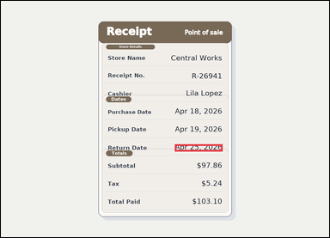 | task_documents_relation_section_extremum_value | latest_date_in_section | Read the named sections in this document: a receipt-style document with visible section headers and labeled totals rows. Use the section headers and labeled fields to answer: In the Dates section, what is the latest date shown? Return the exact date shown. Give the exact date shown for the winning value. Return a valid JSON object with keys "evidence" and "answer" in that order. Evidence field: set "evidence" to an array containing exactly one bounding box for the winning value. Answer field: set "answer" to the exact winning value text shown in the named section. Example JSON: {"evidence":[[150,260,364,294]],"answer":"2026-04-27"} | Read the named sections in this document: a receipt-style document with visible section headers and labeled totals rows. Use the section headers and labeled fields to answer: In the Dates section, what is the latest date shown? Return the exact date shown. Give the exact date shown for the winning value. Return a valid JSON object with key "answer". Answer requirement: set "answer" to the exact winning value text shown in the named section. Example JSON: {"answer":"2026-04-27"} | {"evidence": [[678.0, 558.0, 864.0, 586.0]], "answer": "Apr 25, 2026"} | [[678.0, 558.0, 864.0, 586.0]] | string | bbox_set | 172824774581750 | documents/task_documents_relation_section_extremum_value/images/latest_date_in_section/0001.png | documents/task_documents_relation_section_extremum_value/data/latest_date_in_section/0001.json
 |  | task_documents_relation_section_extremum_value | latest_date_in_section | Use the structured document in the image: a receipt-style document with visible section headers and labeled totals rows. Locate the relevant section before answering: In the Dates section, what is the latest date shown? Return the exact date shown. Respond with the exact winning date text from that section. Return a valid JSON object with keys "evidence" and "answer" in that order. Evidence: set "evidence" to an array containing exactly one bounding box for the winning value. Answer: set "answer" to the exact winning value text shown in the named section. Example JSON: {"evidence":[[150,260,364,294]],"answer":"2026-04-27"} | Use the structured document in the image: a receipt-style document with visible section headers and labeled totals rows. Locate the relevant section before answering: In the Dates section, what is the latest date shown? Return the exact date shown. Respond with the exact winning date text from that section. Return a valid JSON object with key "answer". Answer: set "answer" to the exact winning value text shown in the named section. Example JSON: {"answer":"2026-04-27"} | {"evidence": [[678.0, 558.0, 864.0, 586.0]], "answer": "Apr 14, 2026"} | [[678.0, 558.0, 864.0, 586.0]] | string | bbox_set | 405661924979052 | documents/task_documents_relation_section_extremum_value/images/latest_date_in_section/0006.png | documents/task_documents_relation_section_extremum_value/data/latest_date_in_section/0006.json
 |  | task_documents_relation_section_extremum_value | latest_date_in_section | You are given a structured application form with visible section headers and labeled fields. Use the section headers and labeled fields to answer: In the Schedule section, what is the latest date shown? Return the exact date shown. Respond with the exact winning date text from that section. Return a valid JSON object with keys "evidence" and "answer" in that order. Evidence: set "evidence" to an array containing exactly one bounding box for the winning value. Answer: set "answer" to the exact winning value text shown in the named section. Example JSON: {"evidence":[[150,260,364,294]],"answer":"2026-04-27"} | You are given a structured application form with visible section headers and labeled fields. Use the section headers and labeled fields to answer: In the Schedule section, what is the latest date shown? Return the exact date shown. Respond with the exact winning date text from that section. Return a valid JSON object with key "answer". Answer: set "answer" to the exact winning value text shown in the named section. Example JSON: {"answer":"2026-04-27"} | {"evidence": [[666.0, 639.5, 830.0, 664.5]], "answer": "03/09/2026"} | [[666.0, 639.5, 830.0, 664.5]] | string | bbox_set | 743139929049727 | documents/task_documents_relation_section_extremum_value/images/latest_date_in_section/0023.png | documents/task_documents_relation_section_extremum_value/data/latest_date_in_section/0023.json
 |  | task_documents_relation_section_extremum_value | latest_date_in_section | You are given a receipt-style document with visible section headers and labeled totals rows. In the Dates section, what is the latest date shown? Return the exact date shown. Return the exact date as written in the document. Return a valid JSON object with keys "evidence" and "answer" in that order. Evidence: set "evidence" to an array containing exactly one bounding box for the winning value. Answer: set "answer" to the exact winning value text shown in the named section. Example JSON: {"evidence":[[150,260,364,294]],"answer":"2026-04-27"} | You are given a receipt-style document with visible section headers and labeled totals rows. In the Dates section, what is the latest date shown? Return the exact date shown. Return the exact date as written in the document. Return a valid JSON object with key "answer". Answer format: set "answer" to the exact winning value text shown in the named section. Example JSON: {"answer":"2026-04-27"} | {"evidence": [[669.0, 558.0, 864.0, 586.0]], "answer": "May 07, 2026"} | [[669.0, 558.0, 864.0, 586.0]] | string | bbox_set | 1.2987610956E+15 | documents/task_documents_relation_section_extremum_value/images/latest_date_in_section/0010.png | documents/task_documents_relation_section_extremum_value/data/latest_date_in_section/0010.json
 |  | task_documents_relation_section_extremum_value | latest_date_in_section | Look at the document in the image: a structured application form with visible section headers and labeled fields. Use the section headers and labeled fields to answer: In the Schedule section, what is the latest date shown? Return the exact date shown. Return the exact date as written in the document. Return a valid JSON object with keys "evidence" and "answer" in that order. Evidence requirement: set "evidence" to an array containing exactly one bounding box for the winning value. Answer format: set "answer" to the exact winning value text shown in the named section. Example JSON: {"evidence":[[150,260,364,294]],"answer":"2026-04-27"} | Look at the document in the image: a structured application form with visible section headers and labeled fields. Use the section headers and labeled fields to answer: In the Schedule section, what is the latest date shown? Return the exact date shown. Return the exact date as written in the document. Return a valid JSON object with key "answer". Answer: set "answer" to the exact winning value text shown in the named section. Example JSON: {"answer":"2026-04-27"} | {"evidence": [[666.0, 639.5, 830.0, 664.5]], "answer": "02/20/2026"} | [[666.0, 639.5, 830.0, 664.5]] | string | bbox_set | 1.3430823374E+15 | documents/task_documents_relation_section_extremum_value/images/latest_date_in_section/0003.png | documents/task_documents_relation_section_extremum_value/data/latest_date_in_section/0003.json
 |  | task_documents_relation_section_extremum_value | latest_date_in_section | Look at the document in the image: a receipt-style document with visible section headers and labeled totals rows. Read the document and answer this question: In the Dates section, what is the latest date shown? Return the exact date shown. Answer with the exact date text shown. Return a valid JSON object with keys "evidence" and "answer" in that order. Evidence format: set "evidence" to an array containing exactly one bounding box for the winning value. Answer requirement: set "answer" to the exact winning value text shown in the named section. Example JSON: {"evidence":[[150,260,364,294]],"answer":"2026-04-27"} | Look at the document in the image: a receipt-style document with visible section headers and labeled totals rows. Read the document and answer this question: In the Dates section, what is the latest date shown? Return the exact date shown. Answer with the exact date text shown. Return a valid JSON object with key "answer". Answer format: set "answer" to the exact winning value text shown in the named section. Example JSON: {"answer":"2026-04-27"} | {"evidence": [[678.0, 558.0, 864.0, 586.0]], "answer": "Apr 26, 2026"} | [[678.0, 558.0, 864.0, 586.0]] | string | bbox_set | 1.3947778715E+15 | documents/task_documents_relation_section_extremum_value/images/latest_date_in_section/0022.png | documents/task_documents_relation_section_extremum_value/data/latest_date_in_section/0022.json
 |  | task_documents_relation_section_extremum_value | latest_date_in_section | The image shows a receipt-style document with visible section headers and labeled totals rows. Locate the relevant section before answering: In the Dates section, what is the latest date shown? Return the exact date shown. Return the exact date as written in the document. Return a valid JSON object with keys "evidence" and "answer" in that order. Evidence rule: set "evidence" to an array containing exactly one bounding box for the winning value. Answer rule: set "answer" to the exact winning value text shown in the named section. Example JSON: {"evidence":[[150,260,364,294]],"answer":"2026-04-27"} | The image shows a receipt-style document with visible section headers and labeled totals rows. Locate the relevant section before answering: In the Dates section, what is the latest date shown? Return the exact date shown. Return the exact date as written in the document. Return a valid JSON object with key "answer". Answer field: set "answer" to the exact winning value text shown in the named section. Example JSON: {"answer":"2026-04-27"} | {"evidence": [[678.0, 558.0, 864.0, 586.0]], "answer": "Apr 22, 2026"} | [[678.0, 558.0, 864.0, 586.0]] | string | bbox_set | 1.5572021249E+15 | documents/task_documents_relation_section_extremum_value/images/latest_date_in_section/0009.png | documents/task_documents_relation_section_extremum_value/data/latest_date_in_section/0009.json
 |  | task_documents_relation_section_extremum_value | latest_date_in_section | The image shows a receipt-style document with visible section headers and labeled totals rows. Locate the relevant section before answering: In the Dates section, what is the latest date shown? Return the exact date shown. Respond with the exact winning date text from that section. Return a valid JSON object with keys "evidence" and "answer" in that order. Evidence field: set "evidence" to an array containing exactly one bounding box for the winning value. Answer field: set "answer" to the exact winning value text shown in the named section. Example JSON: {"evidence":[[150,260,364,294]],"answer":"2026-04-27"} | The image shows a receipt-style document with visible section headers and labeled totals rows. Locate the relevant section before answering: In the Dates section, what is the latest date shown? Return the exact date shown. Respond with the exact winning date text from that section. Return a valid JSON object with key "answer". Answer: set "answer" to the exact winning value text shown in the named section. Example JSON: {"answer":"2026-04-27"} | {"evidence": [[678.0, 558.0, 864.0, 586.0]], "answer": "Apr 19, 2026"} | [[678.0, 558.0, 864.0, 586.0]] | string | bbox_set | 1.828889102E+15 | documents/task_documents_relation_section_extremum_value/images/latest_date_in_section/0021.png | documents/task_documents_relation_section_extremum_value/data/latest_date_in_section/0021.json
 |  | task_documents_relation_section_extremum_value | latest_date_in_section | Use the structured document in the image: a structured application form with visible section headers and labeled fields. Use the section headers and labeled fields to answer: In the Schedule section, what is the latest date shown? Return the exact date shown. Return the exact date as written in the document. Return a valid JSON object with keys "evidence" and "answer" in that order. Evidence format: set "evidence" to an array containing exactly one bounding box for the winning value. Answer requirement: set "answer" to the exact winning value text shown in the named section. Example JSON: {"evidence":[[150,260,364,294]],"answer":"2026-04-27"} | Use the structured document in the image: a structured application form with visible section headers and labeled fields. Use the section headers and labeled fields to answer: In the Schedule section, what is the latest date shown? Return the exact date shown. Return the exact date as written in the document. Return a valid JSON object with key "answer". Answer field: set "answer" to the exact winning value text shown in the named section. Example JSON: {"answer":"2026-04-27"} | {"evidence": [[666.0, 639.5, 830.0, 664.5]], "answer": "02/18/2026"} | [[666.0, 639.5, 830.0, 664.5]] | string | bbox_set | 2.2757234435E+15 | documents/task_documents_relation_section_extremum_value/images/latest_date_in_section/0007.png | documents/task_documents_relation_section_extremum_value/data/latest_date_in_section/0007.json
 |  | task_documents_relation_section_extremum_value | latest_date_in_section | You are given an invoice with visible named sections, labeled header fields, and summary blocks. Use the section headers and labeled fields to answer: In the Dates section, what is the latest date shown? Return the exact date shown. Answer with the exact date text shown. Return a valid JSON object with keys "evidence" and "answer" in that order. Evidence format: set "evidence" to an array containing exactly one bounding box for the winning value. Answer requirement: set "answer" to the exact winning value text shown in the named section. Example JSON: {"evidence":[[150,260,364,294]],"answer":"2026-04-27"} | You are given an invoice with visible named sections, labeled header fields, and summary blocks. Use the section headers and labeled fields to answer: In the Dates section, what is the latest date shown? Return the exact date shown. Answer with the exact date text shown. Return a valid JSON object with key "answer". Answer: set "answer" to the exact winning value text shown in the named section. Example JSON: {"answer":"2026-04-27"} | {"evidence": [[214.0, 604.0, 380.0, 626.0]], "answer": "2026-04-04"} | [[214.0, 604.0, 380.0, 626.0]] | string | bbox_set | 2.681797066E+15 | documents/task_documents_relation_section_extremum_value/images/latest_date_in_section/0004.png | documents/task_documents_relation_section_extremum_value/data/latest_date_in_section/0004.json
 |  | task_documents_relation_section_extremum_value | latest_date_in_section | You are given a structured application form with visible section headers and labeled fields. Read the document and answer this question: In the Schedule section, what is the latest date shown? Return the exact date shown. Answer using the exact date value. Return a valid JSON object with keys "evidence" and "answer" in that order. Evidence format: set "evidence" to an array containing exactly one bounding box for the winning value. Answer requirement: set "answer" to the exact winning value text shown in the named section. Example JSON: {"evidence":[[150,260,364,294]],"answer":"2026-04-27"} | You are given a structured application form with visible section headers and labeled fields. Read the document and answer this question: In the Schedule section, what is the latest date shown? Return the exact date shown. Answer using the exact date value. Return a valid JSON object with key "answer". Answer: set "answer" to the exact winning value text shown in the named section. Example JSON: {"answer":"2026-04-27"} | {"evidence": [[666.0, 639.5, 830.0, 664.5]], "answer": "03/12/2026"} | [[666.0, 639.5, 830.0, 664.5]] | string | bbox_set | 3.3623290963E+15 | documents/task_documents_relation_section_extremum_value/images/latest_date_in_section/0012.png | documents/task_documents_relation_section_extremum_value/data/latest_date_in_section/0012.json
 |  | task_documents_relation_section_extremum_value | latest_date_in_section | Look at the document in the image: a receipt-style document with visible section headers and labeled totals rows. Locate the relevant section before answering: In the Dates section, what is the latest date shown? Return the exact date shown. Respond with the exact winning date text from that section. Return a valid JSON object with keys "evidence" and "answer" in that order. Evidence format: set "evidence" to an array containing exactly one bounding box for the winning value. Answer requirement: set "answer" to the exact winning value text shown in the named section. Example JSON: {"evidence":[[150,260,364,294]],"answer":"2026-04-27"} | Look at the document in the image: a receipt-style document with visible section headers and labeled totals rows. Locate the relevant section before answering: In the Dates section, what is the latest date shown? Return the exact date shown. Respond with the exact winning date text from that section. Return a valid JSON object with key "answer". Answer: set "answer" to the exact winning value text shown in the named section. Example JSON: {"answer":"2026-04-27"} | {"evidence": [[678.0, 558.0, 864.0, 586.0]], "answer": "Apr 29, 2026"} | [[678.0, 558.0, 864.0, 586.0]] | string | bbox_set | 3.4609175599E+15 | documents/task_documents_relation_section_extremum_value/images/latest_date_in_section/0002.png | documents/task_documents_relation_section_extremum_value/data/latest_date_in_section/0002.json
 |  | task_documents_relation_section_extremum_value | latest_date_in_section | Look at the document in the image: a receipt-style document with visible section headers and labeled totals rows. Find the named section and then answer: In the Dates section, what is the latest date shown? Return the exact date shown. Answer using the exact date value. Return a valid JSON object with keys "evidence" and "answer" in that order. Evidence field: set "evidence" to an array containing exactly one bounding box for the winning value. Answer field: set "answer" to the exact winning value text shown in the named section. Example JSON: {"evidence":[[150,260,364,294]],"answer":"2026-04-27"} | Look at the document in the image: a receipt-style document with visible section headers and labeled totals rows. Find the named section and then answer: In the Dates section, what is the latest date shown? Return the exact date shown. Answer using the exact date value. Return a valid JSON object with key "answer". Answer rule: set "answer" to the exact winning value text shown in the named section. Example JSON: {"answer":"2026-04-27"} | {"evidence": [[669.0, 558.0, 864.0, 586.0]], "answer": "May 04, 2026"} | [[669.0, 558.0, 864.0, 586.0]] | string | bbox_set | 3.5764491023E+15 | documents/task_documents_relation_section_extremum_value/images/latest_date_in_section/0014.png | documents/task_documents_relation_section_extremum_value/data/latest_date_in_section/0014.json
 |  | task_documents_relation_section_extremum_value | latest_date_in_section | Read the named sections in this document: a structured application form with visible section headers and labeled fields. In the Schedule section, what is the latest date shown? Return the exact date shown. Respond with the exact winning date text from that section. Return a valid JSON object with keys "evidence" and "answer" in that order. Evidence requirement: set "evidence" to an array containing exactly one bounding box for the winning value. Answer format: set "answer" to the exact winning value text shown in the named section. Example JSON: {"evidence":[[150,260,364,294]],"answer":"2026-04-27"} | Read the named sections in this document: a structured application form with visible section headers and labeled fields. In the Schedule section, what is the latest date shown? Return the exact date shown. Respond with the exact winning date text from that section. Return a valid JSON object with key "answer". Answer: set "answer" to the exact winning value text shown in the named section. Example JSON: {"answer":"2026-04-27"} | {"evidence": [[666.0, 639.5, 830.0, 664.5]], "answer": "02/19/2026"} | [[666.0, 639.5, 830.0, 664.5]] | string | bbox_set | 4.3899781096E+15 | documents/task_documents_relation_section_extremum_value/images/latest_date_in_section/0024.png | documents/task_documents_relation_section_extremum_value/data/latest_date_in_section/0024.json
 |  | task_documents_relation_section_extremum_value | latest_date_in_section | You are given a structured application form with visible section headers and labeled fields. Find the named section and then answer: In the Schedule section, what is the latest date shown? Return the exact date shown. Return the exact date as written in the document. Return a valid JSON object with keys "evidence" and "answer" in that order. Evidence requirement: set "evidence" to an array containing exactly one bounding box for the winning value. Answer format: set "answer" to the exact winning value text shown in the named section. Example JSON: {"evidence":[[150,260,364,294]],"answer":"2026-04-27"} | You are given a structured application form with visible section headers and labeled fields. Find the named section and then answer: In the Schedule section, what is the latest date shown? Return the exact date shown. Return the exact date as written in the document. Return a valid JSON object with key "answer". Answer: set "answer" to the exact winning value text shown in the named section. Example JSON: {"answer":"2026-04-27"} | {"evidence": [[666.0, 639.5, 830.0, 664.5]], "answer": "02/22/2026"} | [[666.0, 639.5, 830.0, 664.5]] | string | bbox_set | 4.6032027671E+15 | documents/task_documents_relation_section_extremum_value/images/latest_date_in_section/0015.png | documents/task_documents_relation_section_extremum_value/data/latest_date_in_section/0015.json
 |  | task_documents_relation_section_extremum_value | latest_date_in_section | Use the structured document in the image: an invoice with visible named sections, labeled header fields, and summary blocks. Locate the relevant section before answering: In the Dates section, what is the latest date shown? Return the exact date shown. Respond with the exact winning date text from that section. Return a valid JSON object with keys "evidence" and "answer" in that order. Evidence rule: set "evidence" to an array containing exactly one bounding box for the winning value. Answer rule: set "answer" to the exact winning value text shown in the named section. Example JSON: {"evidence":[[150,260,364,294]],"answer":"2026-04-27"} | Use the structured document in the image: an invoice with visible named sections, labeled header fields, and summary blocks. Locate the relevant section before answering: In the Dates section, what is the latest date shown? Return the exact date shown. Respond with the exact winning date text from that section. Return a valid JSON object with key "answer". Answer rule: set "answer" to the exact winning value text shown in the named section. Example JSON: {"answer":"2026-04-27"} | {"evidence": [[214.0, 604.0, 380.0, 626.0]], "answer": "2026-04-02"} | [[214.0, 604.0, 380.0, 626.0]] | string | bbox_set | 4.7940412846E+15 | documents/task_documents_relation_section_extremum_value/images/latest_date_in_section/0008.png | documents/task_documents_relation_section_extremum_value/data/latest_date_in_section/0008.json
 |  | task_documents_relation_section_extremum_value | latest_date_in_section | Look at the document in the image: an invoice with visible named sections, labeled header fields, and summary blocks. Use the section headers and labeled fields to answer: In the Dates section, what is the latest date shown? Return the exact date shown. Answer using the exact date value. Return a valid JSON object with keys "evidence" and "answer" in that order. Evidence rule: set "evidence" to an array containing exactly one bounding box for the winning value. Answer rule: set "answer" to the exact winning value text shown in the named section. Example JSON: {"evidence":[[150,260,364,294]],"answer":"2026-04-27"} | Look at the document in the image: an invoice with visible named sections, labeled header fields, and summary blocks. Use the section headers and labeled fields to answer: In the Dates section, what is the latest date shown? Return the exact date shown. Answer using the exact date value. Return a valid JSON object with key "answer". Answer rule: set "answer" to the exact winning value text shown in the named section. Example JSON: {"answer":"2026-04-27"} | {"evidence": [[214.0, 604.0, 380.0, 626.0]], "answer": "2026-03-22"} | [[214.0, 604.0, 380.0, 626.0]] | string | bbox_set | 5.6547150843E+15 | documents/task_documents_relation_section_extremum_value/images/latest_date_in_section/0011.png | documents/task_documents_relation_section_extremum_value/data/latest_date_in_section/0011.json
 |  | task_documents_relation_section_extremum_value | latest_date_in_section | The image shows an invoice with visible named sections, labeled header fields, and summary blocks. Use the section headers and labeled fields to answer: In the Dates section, what is the latest date shown? Return the exact date shown. Answer with the exact date text shown. Return a valid JSON object with keys "evidence" and "answer" in that order. Evidence format: set "evidence" to an array containing exactly one bounding box for the winning value. Answer requirement: set "answer" to the exact winning value text shown in the named section. Example JSON: {"evidence":[[150,260,364,294]],"answer":"2026-04-27"} | The image shows an invoice with visible named sections, labeled header fields, and summary blocks. Use the section headers and labeled fields to answer: In the Dates section, what is the latest date shown? Return the exact date shown. Answer with the exact date text shown. Return a valid JSON object with key "answer". Answer rule: set "answer" to the exact winning value text shown in the named section. Example JSON: {"answer":"2026-04-27"} | {"evidence": [[214.0, 604.0, 380.0, 626.0]], "answer": "2026-03-30"} | [[214.0, 604.0, 380.0, 626.0]] | string | bbox_set | 6.1074518992E+15 | documents/task_documents_relation_section_extremum_value/images/latest_date_in_section/0013.png | documents/task_documents_relation_section_extremum_value/data/latest_date_in_section/0013.json
 |  | task_documents_relation_section_extremum_value | latest_date_in_section | The image shows an invoice with visible named sections, labeled header fields, and summary blocks. Read the document and answer this question: In the Dates section, what is the latest date shown? Return the exact date shown. Answer using the exact date value. Return a valid JSON object with keys "evidence" and "answer" in that order. Evidence requirement: set "evidence" to an array containing exactly one bounding box for the winning value. Answer format: set "answer" to the exact winning value text shown in the named section. Example JSON: {"evidence":[[150,260,364,294]],"answer":"2026-04-27"} | The image shows an invoice with visible named sections, labeled header fields, and summary blocks. Read the document and answer this question: In the Dates section, what is the latest date shown? Return the exact date shown. Answer using the exact date value. Return a valid JSON object with key "answer". Answer: set "answer" to the exact winning value text shown in the named section. Example JSON: {"answer":"2026-04-27"} | {"evidence": [[214.0, 604.0, 380.0, 626.0]], "answer": "2026-03-26"} | [[214.0, 604.0, 380.0, 626.0]] | string | bbox_set | 6.9459273828E+15 | documents/task_documents_relation_section_extremum_value/images/latest_date_in_section/0020.png | documents/task_documents_relation_section_extremum_value/data/latest_date_in_section/0020.json
 |  | task_documents_relation_section_extremum_value | latest_date_in_section | Look at the document in the image: an invoice with visible named sections, labeled header fields, and summary blocks. In the Dates section, what is the latest date shown? Return the exact date shown. Answer using the exact date value. Return a valid JSON object with keys "evidence" and "answer" in that order. Evidence rule: set "evidence" to an array containing exactly one bounding box for the winning value. Answer rule: set "answer" to the exact winning value text shown in the named section. Example JSON: {"evidence":[[150,260,364,294]],"answer":"2026-04-27"} | Look at the document in the image: an invoice with visible named sections, labeled header fields, and summary blocks. In the Dates section, what is the latest date shown? Return the exact date shown. Answer using the exact date value. Return a valid JSON object with key "answer". Answer field: set "answer" to the exact winning value text shown in the named section. Example JSON: {"answer":"2026-04-27"} | {"evidence": [[214.0, 604.0, 380.0, 626.0]], "answer": "2026-03-23"} | [[214.0, 604.0, 380.0, 626.0]] | string | bbox_set | 7.1029281602E+15 | documents/task_documents_relation_section_extremum_value/images/latest_date_in_section/0000.png | documents/task_documents_relation_section_extremum_value/data/latest_date_in_section/0000.json
 |  | task_documents_relation_section_extremum_value | latest_date_in_section | Read the named sections in this document: a receipt-style document with visible section headers and labeled totals rows. Locate the relevant section before answering: In the Dates section, what is the latest date shown? Return the exact date shown. Answer with the exact date text shown. Return a valid JSON object with keys "evidence" and "answer" in that order. Evidence field: set "evidence" to an array containing exactly one bounding box for the winning value. Answer field: set "answer" to the exact winning value text shown in the named section. Example JSON: {"evidence":[[150,260,364,294]],"answer":"2026-04-27"} | Read the named sections in this document: a receipt-style document with visible section headers and labeled totals rows. Locate the relevant section before answering: In the Dates section, what is the latest date shown? Return the exact date shown. Answer with the exact date text shown. Return a valid JSON object with key "answer". Answer rule: set "answer" to the exact winning value text shown in the named section. Example JSON: {"answer":"2026-04-27"} | {"evidence": [[678.0, 558.0, 864.0, 586.0]], "answer": "Apr 28, 2026"} | [[678.0, 558.0, 864.0, 586.0]] | string | bbox_set | 7.7864999114E+15 | documents/task_documents_relation_section_extremum_value/images/latest_date_in_section/0019.png | documents/task_documents_relation_section_extremum_value/data/latest_date_in_section/0019.json
 |  | task_documents_relation_section_extremum_value | latest_date_in_section | Look at the document in the image: a receipt-style document with visible section headers and labeled totals rows. Use the section headers and labeled fields to answer: In the Dates section, what is the latest date shown? Return the exact date shown. Return the exact date as written in the document. Return a valid JSON object with keys "evidence" and "answer" in that order. Evidence field: set "evidence" to an array containing exactly one bounding box for the winning value. Answer field: set "answer" to the exact winning value text shown in the named section. Example JSON: {"evidence":[[150,260,364,294]],"answer":"2026-04-27"} | Look at the document in the image: a receipt-style document with visible section headers and labeled totals rows. Use the section headers and labeled fields to answer: In the Dates section, what is the latest date shown? Return the exact date shown. Return the exact date as written in the document. Return a valid JSON object with key "answer". Answer requirement: set "answer" to the exact winning value text shown in the named section. Example JSON: {"answer":"2026-04-27"} | {"evidence": [[678.0, 558.0, 864.0, 586.0]], "answer": "Apr 28, 2026"} | [[678.0, 558.0, 864.0, 586.0]] | string | bbox_set | 8.2450814117E+15 | documents/task_documents_relation_section_extremum_value/images/latest_date_in_section/0005.png | documents/task_documents_relation_section_extremum_value/data/latest_date_in_section/0005.json
 |  | task_documents_relation_section_extremum_value | latest_date_in_section | Read the named sections in this document: a structured application form with visible section headers and labeled fields. Find the named section and then answer: In the Schedule section, what is the latest date shown? Return the exact date shown. Return the exact date as written in the document. Return a valid JSON object with keys "evidence" and "answer" in that order. Evidence rule: set "evidence" to an array containing exactly one bounding box for the winning value. Answer rule: set "answer" to the exact winning value text shown in the named section. Example JSON: {"evidence":[[150,260,364,294]],"answer":"2026-04-27"} | Read the named sections in this document: a structured application form with visible section headers and labeled fields. Find the named section and then answer: In the Schedule section, what is the latest date shown? Return the exact date shown. Return the exact date as written in the document. Return a valid JSON object with key "answer". Answer rule: set "answer" to the exact winning value text shown in the named section. Example JSON: {"answer":"2026-04-27"} | {"evidence": [[666.0, 639.5, 830.0, 664.5]], "answer": "03/03/2026"} | [[666.0, 639.5, 830.0, 664.5]] | string | bbox_set | 8.3140266691E+15 | documents/task_documents_relation_section_extremum_value/images/latest_date_in_section/0018.png | documents/task_documents_relation_section_extremum_value/data/latest_date_in_section/0018.json
 |  | task_documents_relation_section_extremum_value | latest_date_in_section | The image shows a receipt-style document with visible section headers and labeled totals rows. Find the named section and then answer: In the Dates section, what is the latest date shown? Return the exact date shown. Respond with the exact winning date text from that section. Return a valid JSON object with keys "evidence" and "answer" in that order. Evidence rule: set "evidence" to an array containing exactly one bounding box for the winning value. Answer rule: set "answer" to the exact winning value text shown in the named section. Example JSON: {"evidence":[[150,260,364,294]],"answer":"2026-04-27"} | The image shows a receipt-style document with visible section headers and labeled totals rows. Find the named section and then answer: In the Dates section, what is the latest date shown? Return the exact date shown. Respond with the exact winning date text from that section. Return a valid JSON object with key "answer". Answer format: set "answer" to the exact winning value text shown in the named section. Example JSON: {"answer":"2026-04-27"} | {"evidence": [[678.0, 558.0, 864.0, 586.0]], "answer": "Apr 24, 2026"} | [[678.0, 558.0, 864.0, 586.0]] | string | bbox_set | 8.449318818E+15 | documents/task_documents_relation_section_extremum_value/images/latest_date_in_section/0016.png | documents/task_documents_relation_section_extremum_value/data/latest_date_in_section/0016.json
 |  | task_documents_relation_section_extremum_value | latest_date_in_section | Read the named sections in this document: a structured application form with visible section headers and labeled fields. Locate the relevant section before answering: In the Schedule section, what is the latest date shown? Return the exact date shown. Return the exact date as written in the document. Return a valid JSON object with keys "evidence" and "answer" in that order. Evidence: set "evidence" to an array containing exactly one bounding box for the winning value. Answer: set "answer" to the exact winning value text shown in the named section. Example JSON: {"evidence":[[150,260,364,294]],"answer":"2026-04-27"} | Read the named sections in this document: a structured application form with visible section headers and labeled fields. Locate the relevant section before answering: In the Schedule section, what is the latest date shown? Return the exact date shown. Return the exact date as written in the document. Return a valid JSON object with key "answer". Answer rule: set "answer" to the exact winning value text shown in the named section. Example JSON: {"answer":"2026-04-27"} | {"evidence": [[666.0, 639.5, 830.0, 664.5]], "answer": "02/21/2026"} | [[666.0, 639.5, 830.0, 664.5]] | string | bbox_set | 8.8432608061E+15 | documents/task_documents_relation_section_extremum_value/images/latest_date_in_section/0017.png | documents/task_documents_relation_section_extremum_value/data/latest_date_in_section/0017.json

smallest_amount_in_section
image | evidence_image | task | task_variant | prompt | prompt_answer_only | answer | answer_evidence | answer_type | evidence_type | instance_seed | image_path | data_path
 |  | task_documents_relation_section_extremum_value | smallest_amount_in_section | Use the structured document in the image: a receipt-style document with visible section headers and labeled totals rows. Use the section headers and labeled fields to answer: In the Totals section, what is the smallest amount shown? Return the exact amount shown. Return the exact amount as written in the document. Return a valid JSON object with keys "evidence" and "answer" in that order. Evidence: set "evidence" to an array containing exactly one bounding box for the winning value. Answer: set "answer" to the exact winning value text shown in the named section. Example JSON: {"evidence":[[150,260,364,294]],"answer":"$18.40"} | Use the structured document in the image: a receipt-style document with visible section headers and labeled totals rows. Use the section headers and labeled fields to answer: In the Totals section, what is the smallest amount shown? Return the exact amount shown. Return the exact amount as written in the document. Return a valid JSON object with key "answer". Answer requirement: set "answer" to the exact winning value text shown in the named section. Example JSON: {"answer":"$18.40"} | {"evidence": [[781.0, 698.5, 864.0, 725.5]], "answer": "$8.12"} | [[781.0, 698.5, 864.0, 725.5]] | string | bbox_set | 270650032581161 | documents/task_documents_relation_section_extremum_value/images/smallest_amount_in_section/0003.png | documents/task_documents_relation_section_extremum_value/data/smallest_amount_in_section/0003.json
 |  | task_documents_relation_section_extremum_value | smallest_amount_in_section | Use the structured document in the image: an invoice with visible named sections, labeled header fields, and summary blocks. Use the section headers and labeled fields to answer: In the Billing Summary section, what is the smallest amount shown? Return the exact amount shown. Respond with the exact winning amount text from that section. Return a valid JSON object with keys "evidence" and "answer" in that order. Evidence rule: set "evidence" to an array containing exactly one bounding box for the winning value. Answer rule: set "answer" to the exact winning value text shown in the named section. Example JSON: {"evidence":[[150,260,364,294]],"answer":"$18.40"} | Use the structured document in the image: an invoice with visible named sections, labeled header fields, and summary blocks. Use the section headers and labeled fields to answer: In the Billing Summary section, what is the smallest amount shown? Return the exact amount shown. Respond with the exact winning amount text from that section. Return a valid JSON object with key "answer". Answer rule: set "answer" to the exact winning value text shown in the named section. Example JSON: {"answer":"$18.40"} | {"evidence": [[214.0, 722.5, 315.0, 749.5]], "answer": "$16.57"} | [[214.0, 722.5, 315.0, 749.5]] | string | bbox_set | 1.7247875402E+15 | documents/task_documents_relation_section_extremum_value/images/smallest_amount_in_section/0009.png | documents/task_documents_relation_section_extremum_value/data/smallest_amount_in_section/0009.json
 |  | task_documents_relation_section_extremum_value | smallest_amount_in_section | You are given a receipt-style document with visible section headers and labeled totals rows. Read the document and answer this question: In the Totals section, what is the smallest amount shown? Return the exact amount shown. Return the exact amount as written in the document. Return a valid JSON object with keys "evidence" and "answer" in that order. Evidence: set "evidence" to an array containing exactly one bounding box for the winning value. Answer: set "answer" to the exact winning value text shown in the named section. Example JSON: {"evidence":[[150,260,364,294]],"answer":"$18.40"} | You are given a receipt-style document with visible section headers and labeled totals rows. Read the document and answer this question: In the Totals section, what is the smallest amount shown? Return the exact amount shown. Return the exact amount as written in the document. Return a valid JSON object with key "answer". Answer: set "answer" to the exact winning value text shown in the named section. Example JSON: {"answer":"$18.40"} | {"evidence": [[781.0, 698.5, 864.0, 725.5]], "answer": "$1.88"} | [[781.0, 698.5, 864.0, 725.5]] | string | bbox_set | 2.0023267297E+15 | documents/task_documents_relation_section_extremum_value/images/smallest_amount_in_section/0014.png | documents/task_documents_relation_section_extremum_value/data/smallest_amount_in_section/0014.json
 |  | task_documents_relation_section_extremum_value | smallest_amount_in_section | You are given a receipt-style document with visible section headers and labeled totals rows. Use the section headers and labeled fields to answer: In the Totals section, what is the smallest amount shown? Return the exact amount shown. Give the exact amount shown for the winning value. Return a valid JSON object with keys "evidence" and "answer" in that order. Evidence format: set "evidence" to an array containing exactly one bounding box for the winning value. Answer requirement: set "answer" to the exact winning value text shown in the named section. Example JSON: {"evidence":[[150,260,364,294]],"answer":"$18.40"} | You are given a receipt-style document with visible section headers and labeled totals rows. Use the section headers and labeled fields to answer: In the Totals section, what is the smallest amount shown? Return the exact amount shown. Give the exact amount shown for the winning value. Return a valid JSON object with key "answer". Answer format: set "answer" to the exact winning value text shown in the named section. Example JSON: {"answer":"$18.40"} | {"evidence": [[781.0, 698.5, 864.0, 725.5]], "answer": "$6.88"} | [[781.0, 698.5, 864.0, 725.5]] | string | bbox_set | 2.0757329571E+15 | documents/task_documents_relation_section_extremum_value/images/smallest_amount_in_section/0019.png | documents/task_documents_relation_section_extremum_value/data/smallest_amount_in_section/0019.json
 |  | task_documents_relation_section_extremum_value | smallest_amount_in_section | The image shows a receipt-style document with visible section headers and labeled totals rows. Use the section headers and labeled fields to answer: In the Totals section, what is the smallest amount shown? Return the exact amount shown. Respond with the exact winning amount text from that section. Return a valid JSON object with keys "evidence" and "answer" in that order. Evidence rule: set "evidence" to an array containing exactly one bounding box for the winning value. Answer rule: set "answer" to the exact winning value text shown in the named section. Example JSON: {"evidence":[[150,260,364,294]],"answer":"$18.40"} | The image shows a receipt-style document with visible section headers and labeled totals rows. Use the section headers and labeled fields to answer: In the Totals section, what is the smallest amount shown? Return the exact amount shown. Respond with the exact winning amount text from that section. Return a valid JSON object with key "answer". Answer requirement: set "answer" to the exact winning value text shown in the named section. Example JSON: {"answer":"$18.40"} | {"evidence": [[781.0, 698.5, 864.0, 725.5]], "answer": "$7.45"} | [[781.0, 698.5, 864.0, 725.5]] | string | bbox_set | 2.1343530868E+15 | documents/task_documents_relation_section_extremum_value/images/smallest_amount_in_section/0021.png | documents/task_documents_relation_section_extremum_value/data/smallest_amount_in_section/0021.json
 |  | task_documents_relation_section_extremum_value | smallest_amount_in_section | You are given a receipt-style document with visible section headers and labeled totals rows. In the Totals section, what is the smallest amount shown? Return the exact amount shown. Give the exact amount shown for the winning value. Return a valid JSON object with keys "evidence" and "answer" in that order. Evidence requirement: set "evidence" to an array containing exactly one bounding box for the winning value. Answer format: set "answer" to the exact winning value text shown in the named section. Example JSON: {"evidence":[[150,260,364,294]],"answer":"$18.40"} | You are given a receipt-style document with visible section headers and labeled totals rows. In the Totals section, what is the smallest amount shown? Return the exact amount shown. Give the exact amount shown for the winning value. Return a valid JSON object with key "answer". Answer field: set "answer" to the exact winning value text shown in the named section. Example JSON: {"answer":"$18.40"} | {"evidence": [[781.0, 698.5, 864.0, 725.5]], "answer": "$4.28"} | [[781.0, 698.5, 864.0, 725.5]] | string | bbox_set | 2.1484881166E+15 | documents/task_documents_relation_section_extremum_value/images/smallest_amount_in_section/0002.png | documents/task_documents_relation_section_extremum_value/data/smallest_amount_in_section/0002.json
 |  | task_documents_relation_section_extremum_value | smallest_amount_in_section | Use the structured document in the image: an invoice with visible named sections, labeled header fields, and summary blocks. Read the document and answer this question: In the Billing Summary section, what is the smallest amount shown? Return the exact amount shown. Give the exact amount shown for the winning value. Return a valid JSON object with keys "evidence" and "answer" in that order. Evidence field: set "evidence" to an array containing exactly one bounding box for the winning value. Answer field: set "answer" to the exact winning value text shown in the named section. Example JSON: {"evidence":[[150,260,364,294]],"answer":"$18.40"} | Use the structured document in the image: an invoice with visible named sections, labeled header fields, and summary blocks. Read the document and answer this question: In the Billing Summary section, what is the smallest amount shown? Return the exact amount shown. Give the exact amount shown for the winning value. Return a valid JSON object with key "answer". Answer rule: set "answer" to the exact winning value text shown in the named section. Example JSON: {"answer":"$18.40"} | {"evidence": [[214.0, 722.5, 315.0, 749.5]], "answer": "$14.77"} | [[214.0, 722.5, 315.0, 749.5]] | string | bbox_set | 2.4057638688E+15 | documents/task_documents_relation_section_extremum_value/images/smallest_amount_in_section/0011.png | documents/task_documents_relation_section_extremum_value/data/smallest_amount_in_section/0011.json
 |  | task_documents_relation_section_extremum_value | smallest_amount_in_section | Look at the document in the image: a receipt-style document with visible section headers and labeled totals rows. Find the named section and then answer: In the Totals section, what is the smallest amount shown? Return the exact amount shown. Give the exact amount shown for the winning value. Return a valid JSON object with keys "evidence" and "answer" in that order. Evidence requirement: set "evidence" to an array containing exactly one bounding box for the winning value. Answer format: set "answer" to the exact winning value text shown in the named section. Example JSON: {"evidence":[[150,260,364,294]],"answer":"$18.40"} | Look at the document in the image: a receipt-style document with visible section headers and labeled totals rows. Find the named section and then answer: In the Totals section, what is the smallest amount shown? Return the exact amount shown. Give the exact amount shown for the winning value. Return a valid JSON object with key "answer". Answer rule: set "answer" to the exact winning value text shown in the named section. Example JSON: {"answer":"$18.40"} | {"evidence": [[781.0, 698.5, 864.0, 725.5]], "answer": "$3.37"} | [[781.0, 698.5, 864.0, 725.5]] | string | bbox_set | 2.9979378409E+15 | documents/task_documents_relation_section_extremum_value/images/smallest_amount_in_section/0013.png | documents/task_documents_relation_section_extremum_value/data/smallest_amount_in_section/0013.json
 |  | task_documents_relation_section_extremum_value | smallest_amount_in_section | Use the structured document in the image: an invoice with visible named sections, labeled header fields, and summary blocks. Read the document and answer this question: In the Billing Summary section, what is the smallest amount shown? Return the exact amount shown. Give the exact amount shown for the winning value. Return a valid JSON object with keys "evidence" and "answer" in that order. Evidence: set "evidence" to an array containing exactly one bounding box for the winning value. Answer: set "answer" to the exact winning value text shown in the named section. Example JSON: {"evidence":[[150,260,364,294]],"answer":"$18.40"} | Use the structured document in the image: an invoice with visible named sections, labeled header fields, and summary blocks. Read the document and answer this question: In the Billing Summary section, what is the smallest amount shown? Return the exact amount shown. Give the exact amount shown for the winning value. Return a valid JSON object with key "answer". Answer field: set "answer" to the exact winning value text shown in the named section. Example JSON: {"answer":"$18.40"} | {"evidence": [[214.0, 722.5, 315.0, 749.5]], "answer": "$22.64"} | [[214.0, 722.5, 315.0, 749.5]] | string | bbox_set | 3.1227776215E+15 | documents/task_documents_relation_section_extremum_value/images/smallest_amount_in_section/0006.png | documents/task_documents_relation_section_extremum_value/data/smallest_amount_in_section/0006.json
 |  | task_documents_relation_section_extremum_value | smallest_amount_in_section | Use the structured document in the image: an invoice with visible named sections, labeled header fields, and summary blocks. Use the section headers and labeled fields to answer: In the Billing Summary section, what is the smallest amount shown? Return the exact amount shown. Answer using the exact amount value. Return a valid JSON object with keys "evidence" and "answer" in that order. Evidence: set "evidence" to an array containing exactly one bounding box for the winning value. Answer: set "answer" to the exact winning value text shown in the named section. Example JSON: {"evidence":[[150,260,364,294]],"answer":"$18.40"} | Use the structured document in the image: an invoice with visible named sections, labeled header fields, and summary blocks. Use the section headers and labeled fields to answer: In the Billing Summary section, what is the smallest amount shown? Return the exact amount shown. Answer using the exact amount value. Return a valid JSON object with key "answer". Answer: set "answer" to the exact winning value text shown in the named section. Example JSON: {"answer":"$18.40"} | {"evidence": [[214.0, 722.5, 315.0, 749.5]], "answer": "$11.76"} | [[214.0, 722.5, 315.0, 749.5]] | string | bbox_set | 3.8225496518E+15 | documents/task_documents_relation_section_extremum_value/images/smallest_amount_in_section/0022.png | documents/task_documents_relation_section_extremum_value/data/smallest_amount_in_section/0022.json
 |  | task_documents_relation_section_extremum_value | smallest_amount_in_section | Use the structured document in the image: an invoice with visible named sections, labeled header fields, and summary blocks. Use the section headers and labeled fields to answer: In the Billing Summary section, what is the smallest amount shown? Return the exact amount shown. Answer with the exact amount text shown. Return a valid JSON object with keys "evidence" and "answer" in that order. Evidence requirement: set "evidence" to an array containing exactly one bounding box for the winning value. Answer format: set "answer" to the exact winning value text shown in the named section. Example JSON: {"evidence":[[150,260,364,294]],"answer":"$18.40"} | Use the structured document in the image: an invoice with visible named sections, labeled header fields, and summary blocks. Use the section headers and labeled fields to answer: In the Billing Summary section, what is the smallest amount shown? Return the exact amount shown. Answer with the exact amount text shown. Return a valid JSON object with key "answer". Answer: set "answer" to the exact winning value text shown in the named section. Example JSON: {"answer":"$18.40"} | {"evidence": [[214.0, 722.5, 315.0, 749.5]], "answer": "$20.10"} | [[214.0, 722.5, 315.0, 749.5]] | string | bbox_set | 3.8605665215E+15 | documents/task_documents_relation_section_extremum_value/images/smallest_amount_in_section/0005.png | documents/task_documents_relation_section_extremum_value/data/smallest_amount_in_section/0005.json
 |  | task_documents_relation_section_extremum_value | smallest_amount_in_section | Use the structured document in the image: an invoice with visible named sections, labeled header fields, and summary blocks. Read the document and answer this question: In the Billing Summary section, what is the smallest amount shown? Return the exact amount shown. Return the exact amount as written in the document. Return a valid JSON object with keys "evidence" and "answer" in that order. Evidence field: set "evidence" to an array containing exactly one bounding box for the winning value. Answer field: set "answer" to the exact winning value text shown in the named section. Example JSON: {"evidence":[[150,260,364,294]],"answer":"$18.40"} | Use the structured document in the image: an invoice with visible named sections, labeled header fields, and summary blocks. Read the document and answer this question: In the Billing Summary section, what is the smallest amount shown? Return the exact amount shown. Return the exact amount as written in the document. Return a valid JSON object with key "answer". Answer format: set "answer" to the exact winning value text shown in the named section. Example JSON: {"answer":"$18.40"} | {"evidence": [[214.0, 722.5, 315.0, 749.5]], "answer": "$20.28"} | [[214.0, 722.5, 315.0, 749.5]] | string | bbox_set | 3.9713159522E+15 | documents/task_documents_relation_section_extremum_value/images/smallest_amount_in_section/0010.png | documents/task_documents_relation_section_extremum_value/data/smallest_amount_in_section/0010.json
 |  | task_documents_relation_section_extremum_value | smallest_amount_in_section | The image shows an invoice with visible named sections, labeled header fields, and summary blocks. Find the named section and then answer: In the Billing Summary section, what is the smallest amount shown? Return the exact amount shown. Answer with the exact amount text shown. Return a valid JSON object with keys "evidence" and "answer" in that order. Evidence rule: set "evidence" to an array containing exactly one bounding box for the winning value. Answer rule: set "answer" to the exact winning value text shown in the named section. Example JSON: {"evidence":[[150,260,364,294]],"answer":"$18.40"} | The image shows an invoice with visible named sections, labeled header fields, and summary blocks. Find the named section and then answer: In the Billing Summary section, what is the smallest amount shown? Return the exact amount shown. Answer with the exact amount text shown. Return a valid JSON object with key "answer". Answer format: set "answer" to the exact winning value text shown in the named section. Example JSON: {"answer":"$18.40"} | {"evidence": [[214.0, 722.5, 297.0, 749.5]], "answer": "$5.94"} | [[214.0, 722.5, 297.0, 749.5]] | string | bbox_set | 4.2824961435E+15 | documents/task_documents_relation_section_extremum_value/images/smallest_amount_in_section/0000.png | documents/task_documents_relation_section_extremum_value/data/smallest_amount_in_section/0000.json
 |  | task_documents_relation_section_extremum_value | smallest_amount_in_section | The image shows a receipt-style document with visible section headers and labeled totals rows. Use the section headers and labeled fields to answer: In the Totals section, what is the smallest amount shown? Return the exact amount shown. Answer using the exact amount value. Return a valid JSON object with keys "evidence" and "answer" in that order. Evidence: set "evidence" to an array containing exactly one bounding box for the winning value. Answer: set "answer" to the exact winning value text shown in the named section. Example JSON: {"evidence":[[150,260,364,294]],"answer":"$18.40"} | The image shows a receipt-style document with visible section headers and labeled totals rows. Use the section headers and labeled fields to answer: In the Totals section, what is the smallest amount shown? Return the exact amount shown. Answer using the exact amount value. Return a valid JSON object with key "answer". Answer field: set "answer" to the exact winning value text shown in the named section. Example JSON: {"answer":"$18.40"} | {"evidence": [[781.0, 698.5, 864.0, 725.5]], "answer": "$3.58"} | [[781.0, 698.5, 864.0, 725.5]] | string | bbox_set | 4.5564036061E+15 | documents/task_documents_relation_section_extremum_value/images/smallest_amount_in_section/0012.png | documents/task_documents_relation_section_extremum_value/data/smallest_amount_in_section/0012.json
 |  | task_documents_relation_section_extremum_value | smallest_amount_in_section | You are given an invoice with visible named sections, labeled header fields, and summary blocks. Locate the relevant section before answering: In the Billing Summary section, what is the smallest amount shown? Return the exact amount shown. Give the exact amount shown for the winning value. Return a valid JSON object with keys "evidence" and "answer" in that order. Evidence requirement: set "evidence" to an array containing exactly one bounding box for the winning value. Answer format: set "answer" to the exact winning value text shown in the named section. Example JSON: {"evidence":[[150,260,364,294]],"answer":"$18.40"} | You are given an invoice with visible named sections, labeled header fields, and summary blocks. Locate the relevant section before answering: In the Billing Summary section, what is the smallest amount shown? Return the exact amount shown. Give the exact amount shown for the winning value. Return a valid JSON object with key "answer". Answer: set "answer" to the exact winning value text shown in the named section. Example JSON: {"answer":"$18.40"} | {"evidence": [[214.0, 722.5, 315.0, 749.5]], "answer": "$22.79"} | [[214.0, 722.5, 315.0, 749.5]] | string | bbox_set | 5.0613414624E+15 | documents/task_documents_relation_section_extremum_value/images/smallest_amount_in_section/0008.png | documents/task_documents_relation_section_extremum_value/data/smallest_amount_in_section/0008.json
 |  | task_documents_relation_section_extremum_value | smallest_amount_in_section | Look at the document in the image: a receipt-style document with visible section headers and labeled totals rows. Use the section headers and labeled fields to answer: In the Totals section, what is the smallest amount shown? Return the exact amount shown. Return the exact amount as written in the document. Return a valid JSON object with keys "evidence" and "answer" in that order. Evidence: set "evidence" to an array containing exactly one bounding box for the winning value. Answer: set "answer" to the exact winning value text shown in the named section. Example JSON: {"evidence":[[150,260,364,294]],"answer":"$18.40"} | Look at the document in the image: a receipt-style document with visible section headers and labeled totals rows. Use the section headers and labeled fields to answer: In the Totals section, what is the smallest amount shown? Return the exact amount shown. Return the exact amount as written in the document. Return a valid JSON object with key "answer". Answer: set "answer" to the exact winning value text shown in the named section. Example JSON: {"answer":"$18.40"} | {"evidence": [[781.0, 698.5, 864.0, 725.5]], "answer": "$8.87"} | [[781.0, 698.5, 864.0, 725.5]] | string | bbox_set | 6.0833024686E+15 | documents/task_documents_relation_section_extremum_value/images/smallest_amount_in_section/0015.png | documents/task_documents_relation_section_extremum_value/data/smallest_amount_in_section/0015.json
 |  | task_documents_relation_section_extremum_value | smallest_amount_in_section | You are given a receipt-style document with visible section headers and labeled totals rows. Find the named section and then answer: In the Totals section, what is the smallest amount shown? Return the exact amount shown. Return the exact amount as written in the document. Return a valid JSON object with keys "evidence" and "answer" in that order. Evidence field: set "evidence" to an array containing exactly one bounding box for the winning value. Answer field: set "answer" to the exact winning value text shown in the named section. Example JSON: {"evidence":[[150,260,364,294]],"answer":"$18.40"} | You are given a receipt-style document with visible section headers and labeled totals rows. Find the named section and then answer: In the Totals section, what is the smallest amount shown? Return the exact amount shown. Return the exact amount as written in the document. Return a valid JSON object with key "answer". Answer requirement: set "answer" to the exact winning value text shown in the named section. Example JSON: {"answer":"$18.40"} | {"evidence": [[781.0, 698.5, 864.0, 725.5]], "answer": "$3.74"} | [[781.0, 698.5, 864.0, 725.5]] | string | bbox_set | 6.1374935924E+15 | documents/task_documents_relation_section_extremum_value/images/smallest_amount_in_section/0023.png | documents/task_documents_relation_section_extremum_value/data/smallest_amount_in_section/0023.json
 |  | task_documents_relation_section_extremum_value | smallest_amount_in_section | The image shows an invoice with visible named sections, labeled header fields, and summary blocks. In the Billing Summary section, what is the smallest amount shown? Return the exact amount shown. Answer using the exact amount value. Return a valid JSON object with keys "evidence" and "answer" in that order. Evidence rule: set "evidence" to an array containing exactly one bounding box for the winning value. Answer rule: set "answer" to the exact winning value text shown in the named section. Example JSON: {"evidence":[[150,260,364,294]],"answer":"$18.40"} | The image shows an invoice with visible named sections, labeled header fields, and summary blocks. In the Billing Summary section, what is the smallest amount shown? Return the exact amount shown. Answer using the exact amount value. Return a valid JSON object with key "answer". Answer: set "answer" to the exact winning value text shown in the named section. Example JSON: {"answer":"$18.40"} | {"evidence": [[214.0, 722.5, 297.0, 749.5]], "answer": "$6.09"} | [[214.0, 722.5, 297.0, 749.5]] | string | bbox_set | 6.189364899E+15 | documents/task_documents_relation_section_extremum_value/images/smallest_amount_in_section/0001.png | documents/task_documents_relation_section_extremum_value/data/smallest_amount_in_section/0001.json
 |  | task_documents_relation_section_extremum_value | smallest_amount_in_section | Read the named sections in this document: an invoice with visible named sections, labeled header fields, and summary blocks. Find the named section and then answer: In the Billing Summary section, what is the smallest amount shown? Return the exact amount shown. Return the exact amount as written in the document. Return a valid JSON object with keys "evidence" and "answer" in that order. Evidence field: set "evidence" to an array containing exactly one bounding box for the winning value. Answer field: set "answer" to the exact winning value text shown in the named section. Example JSON: {"evidence":[[150,260,364,294]],"answer":"$18.40"} | Read the named sections in this document: an invoice with visible named sections, labeled header fields, and summary blocks. Find the named section and then answer: In the Billing Summary section, what is the smallest amount shown? Return the exact amount shown. Return the exact amount as written in the document. Return a valid JSON object with key "answer". Answer requirement: set "answer" to the exact winning value text shown in the named section. Example JSON: {"answer":"$18.40"} | {"evidence": [[214.0, 722.5, 315.0, 749.5]], "answer": "$20.40"} | [[214.0, 722.5, 315.0, 749.5]] | string | bbox_set | 6.2671008967E+15 | documents/task_documents_relation_section_extremum_value/images/smallest_amount_in_section/0018.png | documents/task_documents_relation_section_extremum_value/data/smallest_amount_in_section/0018.json
 |  | task_documents_relation_section_extremum_value | smallest_amount_in_section | Use the structured document in the image: a receipt-style document with visible section headers and labeled totals rows. Find the named section and then answer: In the Totals section, what is the smallest amount shown? Return the exact amount shown. Return the exact amount as written in the document. Return a valid JSON object with keys "evidence" and "answer" in that order. Evidence rule: set "evidence" to an array containing exactly one bounding box for the winning value. Answer rule: set "answer" to the exact winning value text shown in the named section. Example JSON: {"evidence":[[150,260,364,294]],"answer":"$18.40"} | Use the structured document in the image: a receipt-style document with visible section headers and labeled totals rows. Find the named section and then answer: In the Totals section, what is the smallest amount shown? Return the exact amount shown. Return the exact amount as written in the document. Return a valid JSON object with key "answer". Answer rule: set "answer" to the exact winning value text shown in the named section. Example JSON: {"answer":"$18.40"} | {"evidence": [[781.0, 698.5, 864.0, 725.5]], "answer": "$6.60"} | [[781.0, 698.5, 864.0, 725.5]] | string | bbox_set | 6.5684200061E+15 | documents/task_documents_relation_section_extremum_value/images/smallest_amount_in_section/0024.png | documents/task_documents_relation_section_extremum_value/data/smallest_amount_in_section/0024.json
 |  | task_documents_relation_section_extremum_value | smallest_amount_in_section | Look at the document in the image: a receipt-style document with visible section headers and labeled totals rows. Read the document and answer this question: In the Totals section, what is the smallest amount shown? Return the exact amount shown. Answer using the exact amount value. Return a valid JSON object with keys "evidence" and "answer" in that order. Evidence requirement: set "evidence" to an array containing exactly one bounding box for the winning value. Answer format: set "answer" to the exact winning value text shown in the named section. Example JSON: {"evidence":[[150,260,364,294]],"answer":"$18.40"} | Look at the document in the image: a receipt-style document with visible section headers and labeled totals rows. Read the document and answer this question: In the Totals section, what is the smallest amount shown? Return the exact amount shown. Answer using the exact amount value. Return a valid JSON object with key "answer". Answer requirement: set "answer" to the exact winning value text shown in the named section. Example JSON: {"answer":"$18.40"} | {"evidence": [[781.0, 698.5, 864.0, 725.5]], "answer": "$3.44"} | [[781.0, 698.5, 864.0, 725.5]] | string | bbox_set | 6.7236430859E+15 | documents/task_documents_relation_section_extremum_value/images/smallest_amount_in_section/0016.png | documents/task_documents_relation_section_extremum_value/data/smallest_amount_in_section/0016.json
 |  | task_documents_relation_section_extremum_value | smallest_amount_in_section | Look at the document in the image: an invoice with visible named sections, labeled header fields, and summary blocks. Use the section headers and labeled fields to answer: In the Billing Summary section, what is the smallest amount shown? Return the exact amount shown. Answer with the exact amount text shown. Return a valid JSON object with keys "evidence" and "answer" in that order. Evidence field: set "evidence" to an array containing exactly one bounding box for the winning value. Answer field: set "answer" to the exact winning value text shown in the named section. Example JSON: {"evidence":[[150,260,364,294]],"answer":"$18.40"} | Look at the document in the image: an invoice with visible named sections, labeled header fields, and summary blocks. Use the section headers and labeled fields to answer: In the Billing Summary section, what is the smallest amount shown? Return the exact amount shown. Answer with the exact amount text shown. Return a valid JSON object with key "answer". Answer rule: set "answer" to the exact winning value text shown in the named section. Example JSON: {"answer":"$18.40"} | {"evidence": [[214.0, 722.5, 315.0, 749.5]], "answer": "$17.92"} | [[214.0, 722.5, 315.0, 749.5]] | string | bbox_set | 7.4139943866E+15 | documents/task_documents_relation_section_extremum_value/images/smallest_amount_in_section/0004.png | documents/task_documents_relation_section_extremum_value/data/smallest_amount_in_section/0004.json
 |  | task_documents_relation_section_extremum_value | smallest_amount_in_section | Read the named sections in this document: an invoice with visible named sections, labeled header fields, and summary blocks. Find the named section and then answer: In the Billing Summary section, what is the smallest amount shown? Return the exact amount shown. Give the exact amount shown for the winning value. Return a valid JSON object with keys "evidence" and "answer" in that order. Evidence: set "evidence" to an array containing exactly one bounding box for the winning value. Answer: set "answer" to the exact winning value text shown in the named section. Example JSON: {"evidence":[[150,260,364,294]],"answer":"$18.40"} | Read the named sections in this document: an invoice with visible named sections, labeled header fields, and summary blocks. Find the named section and then answer: In the Billing Summary section, what is the smallest amount shown? Return the exact amount shown. Give the exact amount shown for the winning value. Return a valid JSON object with key "answer". Answer: set "answer" to the exact winning value text shown in the named section. Example JSON: {"answer":"$18.40"} | {"evidence": [[214.0, 722.5, 315.0, 749.5]], "answer": "$10.22"} | [[214.0, 722.5, 315.0, 749.5]] | string | bbox_set | 8.2638638633E+15 | documents/task_documents_relation_section_extremum_value/images/smallest_amount_in_section/0020.png | documents/task_documents_relation_section_extremum_value/data/smallest_amount_in_section/0020.json
 |  | task_documents_relation_section_extremum_value | smallest_amount_in_section | The image shows an invoice with visible named sections, labeled header fields, and summary blocks. Use the section headers and labeled fields to answer: In the Billing Summary section, what is the smallest amount shown? Return the exact amount shown. Answer using the exact amount value. Return a valid JSON object with keys "evidence" and "answer" in that order. Evidence field: set "evidence" to an array containing exactly one bounding box for the winning value. Answer field: set "answer" to the exact winning value text shown in the named section. Example JSON: {"evidence":[[150,260,364,294]],"answer":"$18.40"} | The image shows an invoice with visible named sections, labeled header fields, and summary blocks. Use the section headers and labeled fields to answer: In the Billing Summary section, what is the smallest amount shown? Return the exact amount shown. Answer using the exact amount value. Return a valid JSON object with key "answer". Answer rule: set "answer" to the exact winning value text shown in the named section. Example JSON: {"answer":"$18.40"} | {"evidence": [[214.0, 722.5, 315.0, 749.5]], "answer": "$23.33"} | [[214.0, 722.5, 315.0, 749.5]] | string | bbox_set | 8.4634555619E+15 | documents/task_documents_relation_section_extremum_value/images/smallest_amount_in_section/0007.png | documents/task_documents_relation_section_extremum_value/data/smallest_amount_in_section/0007.json
 |  | task_documents_relation_section_extremum_value | smallest_amount_in_section | You are given an invoice with visible named sections, labeled header fields, and summary blocks. Use the section headers and labeled fields to answer: In the Billing Summary section, what is the smallest amount shown? Return the exact amount shown. Give the exact amount shown for the winning value. Return a valid JSON object with keys "evidence" and "answer" in that order. Evidence: set "evidence" to an array containing exactly one bounding box for the winning value. Answer: set "answer" to the exact winning value text shown in the named section. Example JSON: {"evidence":[[150,260,364,294]],"answer":"$18.40"} | You are given an invoice with visible named sections, labeled header fields, and summary blocks. Use the section headers and labeled fields to answer: In the Billing Summary section, what is the smallest amount shown? Return the exact amount shown. Give the exact amount shown for the winning value. Return a valid JSON object with key "answer". Answer field: set "answer" to the exact winning value text shown in the named section. Example JSON: {"answer":"$18.40"} | {"evidence": [[214.0, 722.5, 315.0, 749.5]], "answer": "$20.98"} | [[214.0, 722.5, 315.0, 749.5]] | string | bbox_set | 8.9302712301E+15 | documents/task_documents_relation_section_extremum_value/images/smallest_amount_in_section/0017.png | documents/task_documents_relation_section_extremum_value/data/smallest_amount_in_section/0017.json

