checked_box_count
image | evidence_image | task | task_variant | prompt | prompt_answer_only | answer | answer_evidence | answer_type | evidence_type | instance_seed | image_path | data_path
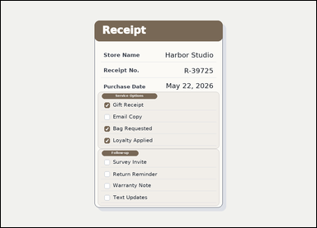 | 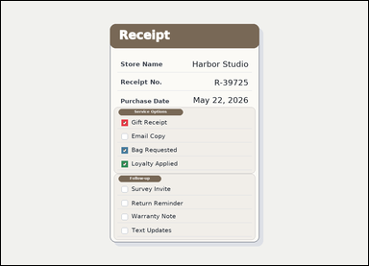 | task_documents_selection_checkbox_count | checked_box_count | Read the named sections in this document: a receipt-style document with visible section headers and checkbox groups. Use the visible section headers and checkboxes to answer: In the Service Options section, how many checkboxes are checked? Answer using the checkbox count only. Return a valid JSON object with keys "evidence" and "answer" in that order. Evidence: set "evidence" to an array containing one bounding box for each counted checkbox, in reading order. Answer: set "answer" to the number of counted checkboxes. Example JSON: {"evidence":[[154,252,178,276],[154,304,178,328]],"answer":2} | Read the named sections in this document: a receipt-style document with visible section headers and checkbox groups. Use the visible section headers and checkboxes to answer: In the Service Options section, how many checkboxes are checked? Answer using the checkbox count only. Return a valid JSON object with key "answer". Answer: set "answer" to the number of counted checkboxes. Example JSON: {"answer":2} | {"evidence": [[420.0, 413.0, 442.0, 435.0], [420.0, 509.0, 442.0, 531.0], [420.0, 557.0, 442.0, 579.0]], "answer": 3} | [[420.0, 413.0, 442.0, 435.0], [420.0, 509.0, 442.0, 531.0], [420.0, 557.0, 442.0, 579.0]] | integer | bbox_set | 175808736715126 | documents/task_documents_selection_checkbox_count/images/checked_box_count/0020.png | documents/task_documents_selection_checkbox_count/data/checked_box_count/0020.json
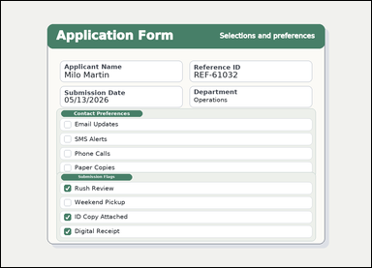 | 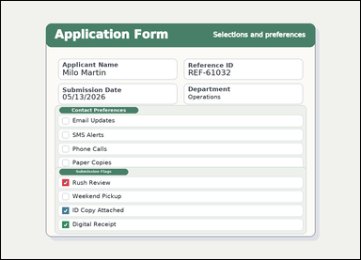 | task_documents_selection_checkbox_count | checked_box_count | Use the structured document in the image: a structured application form with visible section headers, context fields, and checkbox groups. Find the named section and then answer: In the Submission Flags section, how many checkboxes are checked? Answer using the checkbox count only. Return a valid JSON object with keys "evidence" and "answer" in that order. Evidence field: set "evidence" to an array containing one bounding box for each counted checkbox, in reading order. Answer field: set "answer" to the number of counted checkboxes. Example JSON: {"evidence":[[154,252,178,276],[154,304,178,328]],"answer":2} | Use the structured document in the image: a structured application form with visible section headers, context fields, and checkbox groups. Find the named section and then answer: In the Submission Flags section, how many checkboxes are checked? Answer using the checkbox count only. Return a valid JSON object with key "answer". Answer requirement: set "answer" to the number of counted checkboxes. Example JSON: {"answer":2} | {"evidence": [[218.0, 635.0, 242.0, 659.0], [218.0, 735.0, 242.0, 759.0], [218.0, 785.0, 242.0, 809.0]], "answer": 3} | [[218.0, 635.0, 242.0, 659.0], [218.0, 735.0, 242.0, 759.0], [218.0, 785.0, 242.0, 809.0]] | integer | bbox_set | 1.0122134211E+15 | documents/task_documents_selection_checkbox_count/images/checked_box_count/0003.png | documents/task_documents_selection_checkbox_count/data/checked_box_count/0003.json
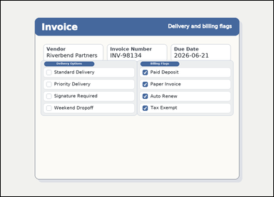 |  | task_documents_selection_checkbox_count | checked_box_count | Use the structured document in the image: an invoice with visible named sections, header fields, and checkbox groups. Use the visible section headers and checkboxes to answer: In the Delivery Options section, how many checkboxes are checked? Answer with the count as an integer. Return a valid JSON object with keys "evidence" and "answer" in that order. Evidence field: set "evidence" to an array containing one bounding box for each counted checkbox, in reading order. Answer field: set "answer" to the number of counted checkboxes. Example JSON: {"evidence":[[154,252,178,276],[154,304,178,328]],"answer":2} | Use the structured document in the image: an invoice with visible named sections, header fields, and checkbox groups. Use the visible section headers and checkboxes to answer: In the Delivery Options section, how many checkboxes are checked? Answer with the count as an integer. Return a valid JSON object with key "answer". Answer format: set "answer" to the number of counted checkboxes. Example JSON: {"answer":2} | {"evidence": [], "answer": 0} | [] | integer | bbox_set | 1.6356332385E+15 | documents/task_documents_selection_checkbox_count/images/checked_box_count/0017.png | documents/task_documents_selection_checkbox_count/data/checked_box_count/0017.json
 | 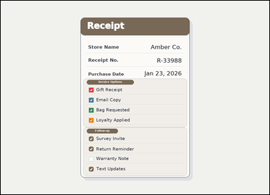 | task_documents_selection_checkbox_count | checked_box_count | You are given a receipt-style document with visible section headers and checkbox groups. Use the visible section headers and checkboxes to answer: In the Service Options section, how many checkboxes are checked? Return only the number of checked boxes. Return a valid JSON object with keys "evidence" and "answer" in that order. Evidence rule: set "evidence" to an array containing one bounding box for each counted checkbox, in reading order. Answer rule: set "answer" to the number of counted checkboxes. Example JSON: {"evidence":[[154,252,178,276],[154,304,178,328]],"answer":2} | You are given a receipt-style document with visible section headers and checkbox groups. Use the visible section headers and checkboxes to answer: In the Service Options section, how many checkboxes are checked? Return only the number of checked boxes. Return a valid JSON object with key "answer". Answer field: set "answer" to the number of counted checkboxes. Example JSON: {"answer":2} | {"evidence": [[420.0, 413.0, 442.0, 435.0], [420.0, 461.0, 442.0, 483.0], [420.0, 509.0, 442.0, 531.0], [420.0, 557.0, 442.0, 579.0]], "answer": 4} | [[420.0, 413.0, 442.0, 435.0], [420.0, 461.0, 442.0, 483.0], [420.0, 509.0, 442.0, 531.0], [420.0, 557.0, 442.0, 579.0]] | integer | bbox_set | 2.5293738586E+15 | documents/task_documents_selection_checkbox_count/images/checked_box_count/0005.png | documents/task_documents_selection_checkbox_count/data/checked_box_count/0005.json
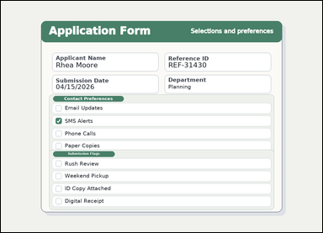 |  | task_documents_selection_checkbox_count | checked_box_count | Read the named sections in this document: a structured application form with visible section headers, context fields, and checkbox groups. Use the visible section headers and checkboxes to answer: In the Contact Preferences section, how many checkboxes are checked? Return only the number of checked boxes. Return a valid JSON object with keys "evidence" and "answer" in that order. Evidence field: set "evidence" to an array containing one bounding box for each counted checkbox, in reading order. Answer field: set "answer" to the number of counted checkboxes. Example JSON: {"evidence":[[154,252,178,276],[154,304,178,328]],"answer":2} | Read the named sections in this document: a structured application form with visible section headers, context fields, and checkbox groups. Use the visible section headers and checkboxes to answer: In the Contact Preferences section, how many checkboxes are checked? Return only the number of checked boxes. Return a valid JSON object with key "answer". Answer rule: set "answer" to the number of counted checkboxes. Example JSON: {"answer":2} | {"evidence": [[218.0, 465.0, 242.0, 489.0]], "answer": 1} | [[218.0, 465.0, 242.0, 489.0]] | integer | bbox_set | 2.6108842097E+15 | documents/task_documents_selection_checkbox_count/images/checked_box_count/0013.png | documents/task_documents_selection_checkbox_count/data/checked_box_count/0013.json
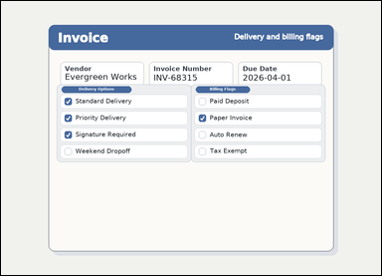 | 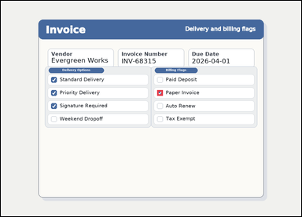 | task_documents_selection_checkbox_count | checked_box_count | You are given an invoice with visible named sections, header fields, and checkbox groups. Locate the relevant checkbox section before answering: In the Billing Flags section, how many checkboxes are checked? Answer with the count as an integer. Return a valid JSON object with keys "evidence" and "answer" in that order. Evidence requirement: set "evidence" to an array containing one bounding box for each counted checkbox, in reading order. Answer format: set "answer" to the number of counted checkboxes. Example JSON: {"evidence":[[154,252,178,276],[154,304,178,328]],"answer":2} | You are given an invoice with visible named sections, header fields, and checkbox groups. Locate the relevant checkbox section before answering: In the Billing Flags section, how many checkboxes are checked? Answer with the count as an integer. Return a valid JSON object with key "answer". Answer requirement: set "answer" to the number of counted checkboxes. Example JSON: {"answer":2} | {"evidence": [[666.0, 381.0, 690.0, 405.0]], "answer": 1} | [[666.0, 381.0, 690.0, 405.0]] | integer | bbox_set | 2.9017799959E+15 | documents/task_documents_selection_checkbox_count/images/checked_box_count/0019.png | documents/task_documents_selection_checkbox_count/data/checked_box_count/0019.json
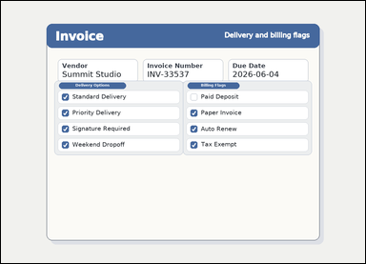 | 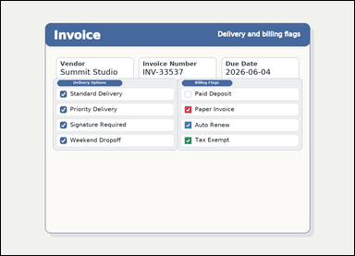 | task_documents_selection_checkbox_count | checked_box_count | You are given an invoice with visible named sections, header fields, and checkbox groups. Use the visible section headers and checkboxes to answer: In the Billing Flags section, how many checkboxes are checked? Answer using the checkbox count only. Return a valid JSON object with keys "evidence" and "answer" in that order. Evidence: set "evidence" to an array containing one bounding box for each counted checkbox, in reading order. Answer: set "answer" to the number of counted checkboxes. Example JSON: {"evidence":[[154,252,178,276],[154,304,178,328]],"answer":2} | You are given an invoice with visible named sections, header fields, and checkbox groups. Use the visible section headers and checkboxes to answer: In the Billing Flags section, how many checkboxes are checked? Answer using the checkbox count only. Return a valid JSON object with key "answer". Answer format: set "answer" to the number of counted checkboxes. Example JSON: {"answer":2} | {"evidence": [[666.0, 381.0, 690.0, 405.0], [666.0, 437.0, 690.0, 461.0], [666.0, 493.0, 690.0, 517.0]], "answer": 3} | [[666.0, 381.0, 690.0, 405.0], [666.0, 437.0, 690.0, 461.0], [666.0, 493.0, 690.0, 517.0]] | integer | bbox_set | 3.0546757839E+15 | documents/task_documents_selection_checkbox_count/images/checked_box_count/0000.png | documents/task_documents_selection_checkbox_count/data/checked_box_count/0000.json
 | 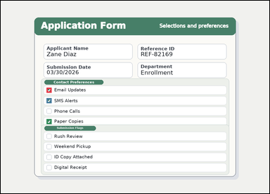 | task_documents_selection_checkbox_count | checked_box_count | Read the named sections in this document: a structured application form with visible section headers, context fields, and checkbox groups. In the Contact Preferences section, how many checkboxes are checked? Return only the number of checked boxes. Return a valid JSON object with keys "evidence" and "answer" in that order. Evidence format: set "evidence" to an array containing one bounding box for each counted checkbox, in reading order. Answer requirement: set "answer" to the number of counted checkboxes. Example JSON: {"evidence":[[154,252,178,276],[154,304,178,328]],"answer":2} | Read the named sections in this document: a structured application form with visible section headers, context fields, and checkbox groups. In the Contact Preferences section, how many checkboxes are checked? Return only the number of checked boxes. Return a valid JSON object with key "answer". Answer field: set "answer" to the number of counted checkboxes. Example JSON: {"answer":2} | {"evidence": [[218.0, 415.0, 242.0, 439.0], [218.0, 465.0, 242.0, 489.0], [218.0, 565.0, 242.0, 589.0]], "answer": 3} | [[218.0, 415.0, 242.0, 439.0], [218.0, 465.0, 242.0, 489.0], [218.0, 565.0, 242.0, 589.0]] | integer | bbox_set | 3.1480163061E+15 | documents/task_documents_selection_checkbox_count/images/checked_box_count/0016.png | documents/task_documents_selection_checkbox_count/data/checked_box_count/0016.json
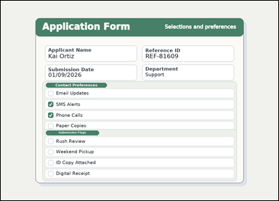 | 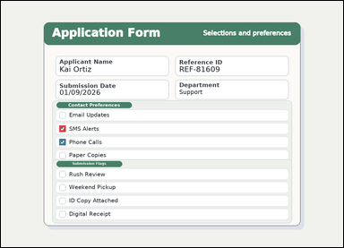 | task_documents_selection_checkbox_count | checked_box_count | You are given a structured application form with visible section headers, context fields, and checkbox groups. Locate the relevant checkbox section before answering: In the Contact Preferences section, how many checkboxes are checked? Give the count of checked boxes as an integer. Return a valid JSON object with keys "evidence" and "answer" in that order. Evidence: set "evidence" to an array containing one bounding box for each counted checkbox, in reading order. Answer: set "answer" to the number of counted checkboxes. Example JSON: {"evidence":[[154,252,178,276],[154,304,178,328]],"answer":2} | You are given a structured application form with visible section headers, context fields, and checkbox groups. Locate the relevant checkbox section before answering: In the Contact Preferences section, how many checkboxes are checked? Give the count of checked boxes as an integer. Return a valid JSON object with key "answer". Answer field: set "answer" to the number of counted checkboxes. Example JSON: {"answer":2} | {"evidence": [[218.0, 465.0, 242.0, 489.0], [218.0, 515.0, 242.0, 539.0]], "answer": 2} | [[218.0, 465.0, 242.0, 489.0], [218.0, 515.0, 242.0, 539.0]] | integer | bbox_set | 3.7025664625E+15 | documents/task_documents_selection_checkbox_count/images/checked_box_count/0011.png | documents/task_documents_selection_checkbox_count/data/checked_box_count/0011.json
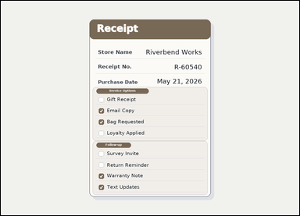 | 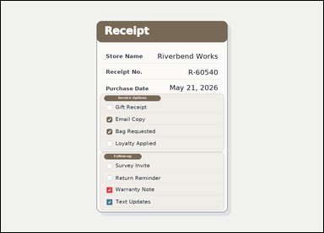 | task_documents_selection_checkbox_count | checked_box_count | Look at the document in the image: a receipt-style document with visible section headers and checkbox groups. In the Follow-up section, how many checkboxes are checked? Give the count of checked boxes as an integer. Return a valid JSON object with keys "evidence" and "answer" in that order. Evidence field: set "evidence" to an array containing one bounding box for each counted checkbox, in reading order. Answer field: set "answer" to the number of counted checkboxes. Example JSON: {"evidence":[[154,252,178,276],[154,304,178,328]],"answer":2} | Look at the document in the image: a receipt-style document with visible section headers and checkbox groups. In the Follow-up section, how many checkboxes are checked? Give the count of checked boxes as an integer. Return a valid JSON object with key "answer". Answer requirement: set "answer" to the number of counted checkboxes. Example JSON: {"answer":2} | {"evidence": [[420.0, 741.0, 442.0, 763.0], [420.0, 789.0, 442.0, 811.0]], "answer": 2} | [[420.0, 741.0, 442.0, 763.0], [420.0, 789.0, 442.0, 811.0]] | integer | bbox_set | 3.7534882177E+15 | documents/task_documents_selection_checkbox_count/images/checked_box_count/0006.png | documents/task_documents_selection_checkbox_count/data/checked_box_count/0006.json
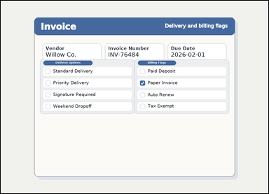 | 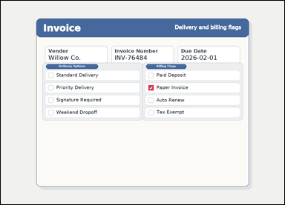 | task_documents_selection_checkbox_count | checked_box_count | Read the named sections in this document: an invoice with visible named sections, header fields, and checkbox groups. Read the document and answer this question: In the Billing Flags section, how many checkboxes are checked? Respond with the integer count of checked boxes. Return a valid JSON object with keys "evidence" and "answer" in that order. Evidence format: set "evidence" to an array containing one bounding box for each counted checkbox, in reading order. Answer requirement: set "answer" to the number of counted checkboxes. Example JSON: {"evidence":[[154,252,178,276],[154,304,178,328]],"answer":2} | Read the named sections in this document: an invoice with visible named sections, header fields, and checkbox groups. Read the document and answer this question: In the Billing Flags section, how many checkboxes are checked? Respond with the integer count of checked boxes. Return a valid JSON object with key "answer". Answer field: set "answer" to the number of counted checkboxes. Example JSON: {"answer":2} | {"evidence": [[666.0, 381.0, 690.0, 405.0]], "answer": 1} | [[666.0, 381.0, 690.0, 405.0]] | integer | bbox_set | 4.1006229581E+15 | documents/task_documents_selection_checkbox_count/images/checked_box_count/0024.png | documents/task_documents_selection_checkbox_count/data/checked_box_count/0024.json
 |  | task_documents_selection_checkbox_count | checked_box_count | Look at the document in the image: a structured application form with visible section headers, context fields, and checkbox groups. Locate the relevant checkbox section before answering: In the Contact Preferences section, how many checkboxes are checked? Give the count of checked boxes as an integer. Return a valid JSON object with keys "evidence" and "answer" in that order. Evidence: set "evidence" to an array containing one bounding box for each counted checkbox, in reading order. Answer: set "answer" to the number of counted checkboxes. Example JSON: {"evidence":[[154,252,178,276],[154,304,178,328]],"answer":2} | Look at the document in the image: a structured application form with visible section headers, context fields, and checkbox groups. Locate the relevant checkbox section before answering: In the Contact Preferences section, how many checkboxes are checked? Give the count of checked boxes as an integer. Return a valid JSON object with key "answer". Answer: set "answer" to the number of counted checkboxes. Example JSON: {"answer":2} | {"evidence": [[218.0, 415.0, 242.0, 439.0], [218.0, 465.0, 242.0, 489.0], [218.0, 515.0, 242.0, 539.0], [218.0, 565.0, 242.0, 589.0]], "answer": 4} | [[218.0, 415.0, 242.0, 439.0], [218.0, 465.0, 242.0, 489.0], [218.0, 515.0, 242.0, 539.0], [218.0, 565.0, 242.0, 589.0]] | integer | bbox_set | 4.2221313031E+15 | documents/task_documents_selection_checkbox_count/images/checked_box_count/0007.png | documents/task_documents_selection_checkbox_count/data/checked_box_count/0007.json
 |  | task_documents_selection_checkbox_count | checked_box_count | Read the named sections in this document: a structured application form with visible section headers, context fields, and checkbox groups. Read the document and answer this question: In the Contact Preferences section, how many checkboxes are checked? Respond with the integer count of checked boxes. Return a valid JSON object with keys "evidence" and "answer" in that order. Evidence format: set "evidence" to an array containing one bounding box for each counted checkbox, in reading order. Answer requirement: set "answer" to the number of counted checkboxes. Example JSON: {"evidence":[[154,252,178,276],[154,304,178,328]],"answer":2} | Read the named sections in this document: a structured application form with visible section headers, context fields, and checkbox groups. Read the document and answer this question: In the Contact Preferences section, how many checkboxes are checked? Respond with the integer count of checked boxes. Return a valid JSON object with key "answer". Answer requirement: set "answer" to the number of counted checkboxes. Example JSON: {"answer":2} | {"evidence": [[218.0, 565.0, 242.0, 589.0]], "answer": 1} | [[218.0, 565.0, 242.0, 589.0]] | integer | bbox_set | 4.5498421985E+15 | documents/task_documents_selection_checkbox_count/images/checked_box_count/0009.png | documents/task_documents_selection_checkbox_count/data/checked_box_count/0009.json
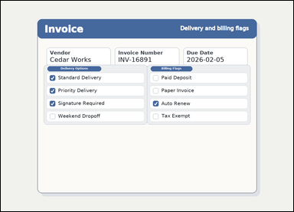 | 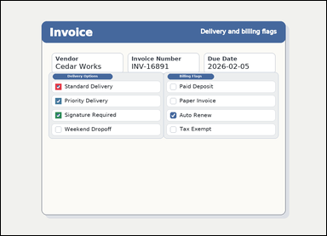 | task_documents_selection_checkbox_count | checked_box_count | Read the named sections in this document: an invoice with visible named sections, header fields, and checkbox groups. Find the named section and then answer: In the Delivery Options section, how many checkboxes are checked? Answer with the count as an integer. Return a valid JSON object with keys "evidence" and "answer" in that order. Evidence: set "evidence" to an array containing one bounding box for each counted checkbox, in reading order. Answer: set "answer" to the number of counted checkboxes. Example JSON: {"evidence":[[154,252,178,276],[154,304,178,328]],"answer":2} | Read the named sections in this document: an invoice with visible named sections, header fields, and checkbox groups. Find the named section and then answer: In the Delivery Options section, how many checkboxes are checked? Answer with the count as an integer. Return a valid JSON object with key "answer". Answer: set "answer" to the number of counted checkboxes. Example JSON: {"answer":2} | {"evidence": [[214.0, 325.0, 238.0, 349.0], [214.0, 381.0, 238.0, 405.0], [214.0, 437.0, 238.0, 461.0]], "answer": 3} | [[214.0, 325.0, 238.0, 349.0], [214.0, 381.0, 238.0, 405.0], [214.0, 437.0, 238.0, 461.0]] | integer | bbox_set | 4.9645753803E+15 | documents/task_documents_selection_checkbox_count/images/checked_box_count/0022.png | documents/task_documents_selection_checkbox_count/data/checked_box_count/0022.json
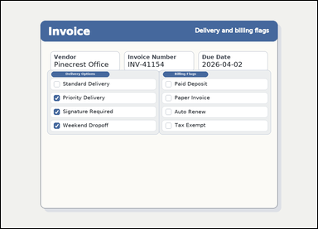 | 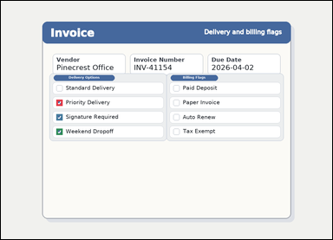 | task_documents_selection_checkbox_count | checked_box_count | Read the named sections in this document: an invoice with visible named sections, header fields, and checkbox groups. Find the named section and then answer: In the Delivery Options section, how many checkboxes are checked? Answer using the checkbox count only. Return a valid JSON object with keys "evidence" and "answer" in that order. Evidence requirement: set "evidence" to an array containing one bounding box for each counted checkbox, in reading order. Answer format: set "answer" to the number of counted checkboxes. Example JSON: {"evidence":[[154,252,178,276],[154,304,178,328]],"answer":2} | Read the named sections in this document: an invoice with visible named sections, header fields, and checkbox groups. Find the named section and then answer: In the Delivery Options section, how many checkboxes are checked? Answer using the checkbox count only. Return a valid JSON object with key "answer". Answer requirement: set "answer" to the number of counted checkboxes. Example JSON: {"answer":2} | {"evidence": [[214.0, 381.0, 238.0, 405.0], [214.0, 437.0, 238.0, 461.0], [214.0, 493.0, 238.0, 517.0]], "answer": 3} | [[214.0, 381.0, 238.0, 405.0], [214.0, 437.0, 238.0, 461.0], [214.0, 493.0, 238.0, 517.0]] | integer | bbox_set | 5.3036488475E+15 | documents/task_documents_selection_checkbox_count/images/checked_box_count/0008.png | documents/task_documents_selection_checkbox_count/data/checked_box_count/0008.json
 |  | task_documents_selection_checkbox_count | checked_box_count | The image shows an invoice with visible named sections, header fields, and checkbox groups. Read the document and answer this question: In the Billing Flags section, how many checkboxes are checked? Respond with the integer count of checked boxes. Return a valid JSON object with keys "evidence" and "answer" in that order. Evidence rule: set "evidence" to an array containing one bounding box for each counted checkbox, in reading order. Answer rule: set "answer" to the number of counted checkboxes. Example JSON: {"evidence":[[154,252,178,276],[154,304,178,328]],"answer":2} | The image shows an invoice with visible named sections, header fields, and checkbox groups. Read the document and answer this question: In the Billing Flags section, how many checkboxes are checked? Respond with the integer count of checked boxes. Return a valid JSON object with key "answer". Answer format: set "answer" to the number of counted checkboxes. Example JSON: {"answer":2} | {"evidence": [], "answer": 0} | [] | integer | bbox_set | 5.4385467798E+15 | documents/task_documents_selection_checkbox_count/images/checked_box_count/0004.png | documents/task_documents_selection_checkbox_count/data/checked_box_count/0004.json
 |  | task_documents_selection_checkbox_count | checked_box_count | Read the named sections in this document: a structured application form with visible section headers, context fields, and checkbox groups. Find the named section and then answer: In the Contact Preferences section, how many checkboxes are checked? Respond with the integer count of checked boxes. Return a valid JSON object with keys "evidence" and "answer" in that order. Evidence format: set "evidence" to an array containing one bounding box for each counted checkbox, in reading order. Answer requirement: set "answer" to the number of counted checkboxes. Example JSON: {"evidence":[[154,252,178,276],[154,304,178,328]],"answer":2} | Read the named sections in this document: a structured application form with visible section headers, context fields, and checkbox groups. Find the named section and then answer: In the Contact Preferences section, how many checkboxes are checked? Respond with the integer count of checked boxes. Return a valid JSON object with key "answer". Answer requirement: set "answer" to the number of counted checkboxes. Example JSON: {"answer":2} | {"evidence": [], "answer": 0} | [] | integer | bbox_set | 5.8858989935E+15 | documents/task_documents_selection_checkbox_count/images/checked_box_count/0021.png | documents/task_documents_selection_checkbox_count/data/checked_box_count/0021.json
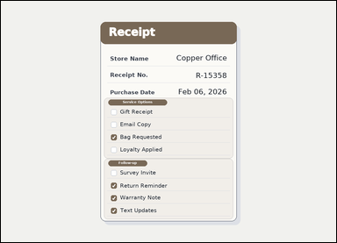 |  | task_documents_selection_checkbox_count | checked_box_count | Use the structured document in the image: a receipt-style document with visible section headers and checkbox groups. Find the named section and then answer: In the Service Options section, how many checkboxes are checked? Return only the number of checked boxes. Return a valid JSON object with keys "evidence" and "answer" in that order. Evidence format: set "evidence" to an array containing one bounding box for each counted checkbox, in reading order. Answer requirement: set "answer" to the number of counted checkboxes. Example JSON: {"evidence":[[154,252,178,276],[154,304,178,328]],"answer":2} | Use the structured document in the image: a receipt-style document with visible section headers and checkbox groups. Find the named section and then answer: In the Service Options section, how many checkboxes are checked? Return only the number of checked boxes. Return a valid JSON object with key "answer". Answer field: set "answer" to the number of counted checkboxes. Example JSON: {"answer":2} | {"evidence": [[420.0, 509.0, 442.0, 531.0]], "answer": 1} | [[420.0, 509.0, 442.0, 531.0]] | integer | bbox_set | 5.9678808846E+15 | documents/task_documents_selection_checkbox_count/images/checked_box_count/0002.png | documents/task_documents_selection_checkbox_count/data/checked_box_count/0002.json
 |  | task_documents_selection_checkbox_count | checked_box_count | Read the named sections in this document: a structured application form with visible section headers, context fields, and checkbox groups. Read the document and answer this question: In the Submission Flags section, how many checkboxes are checked? Give the count of checked boxes as an integer. Return a valid JSON object with keys "evidence" and "answer" in that order. Evidence: set "evidence" to an array containing one bounding box for each counted checkbox, in reading order. Answer: set "answer" to the number of counted checkboxes. Example JSON: {"evidence":[[154,252,178,276],[154,304,178,328]],"answer":2} | Read the named sections in this document: a structured application form with visible section headers, context fields, and checkbox groups. Read the document and answer this question: In the Submission Flags section, how many checkboxes are checked? Give the count of checked boxes as an integer. Return a valid JSON object with key "answer". Answer field: set "answer" to the number of counted checkboxes. Example JSON: {"answer":2} | {"evidence": [[218.0, 635.0, 242.0, 659.0]], "answer": 1} | [[218.0, 635.0, 242.0, 659.0]] | integer | bbox_set | 6.2899961227E+15 | documents/task_documents_selection_checkbox_count/images/checked_box_count/0001.png | documents/task_documents_selection_checkbox_count/data/checked_box_count/0001.json
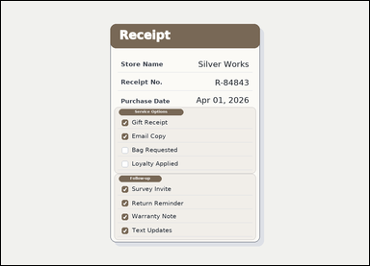 |  | task_documents_selection_checkbox_count | checked_box_count | The image shows a receipt-style document with visible section headers and checkbox groups. Read the document and answer this question: In the Service Options section, how many checkboxes are checked? Return only the number of checked boxes. Return a valid JSON object with keys "evidence" and "answer" in that order. Evidence rule: set "evidence" to an array containing one bounding box for each counted checkbox, in reading order. Answer rule: set "answer" to the number of counted checkboxes. Example JSON: {"evidence":[[154,252,178,276],[154,304,178,328]],"answer":2} | The image shows a receipt-style document with visible section headers and checkbox groups. Read the document and answer this question: In the Service Options section, how many checkboxes are checked? Return only the number of checked boxes. Return a valid JSON object with key "answer". Answer field: set "answer" to the number of counted checkboxes. Example JSON: {"answer":2} | {"evidence": [[420.0, 413.0, 442.0, 435.0], [420.0, 461.0, 442.0, 483.0]], "answer": 2} | [[420.0, 413.0, 442.0, 435.0], [420.0, 461.0, 442.0, 483.0]] | integer | bbox_set | 6.4644935579E+15 | documents/task_documents_selection_checkbox_count/images/checked_box_count/0015.png | documents/task_documents_selection_checkbox_count/data/checked_box_count/0015.json
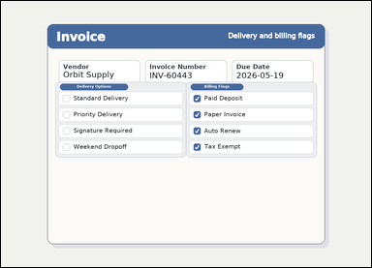 |  | task_documents_selection_checkbox_count | checked_box_count | Look at the document in the image: an invoice with visible named sections, header fields, and checkbox groups. Find the named section and then answer: In the Delivery Options section, how many checkboxes are checked? Return only the number of checked boxes. Return a valid JSON object with keys "evidence" and "answer" in that order. Evidence field: set "evidence" to an array containing one bounding box for each counted checkbox, in reading order. Answer field: set "answer" to the number of counted checkboxes. Example JSON: {"evidence":[[154,252,178,276],[154,304,178,328]],"answer":2} | Look at the document in the image: an invoice with visible named sections, header fields, and checkbox groups. Find the named section and then answer: In the Delivery Options section, how many checkboxes are checked? Return only the number of checked boxes. Return a valid JSON object with key "answer". Answer field: set "answer" to the number of counted checkboxes. Example JSON: {"answer":2} | {"evidence": [], "answer": 0} | [] | integer | bbox_set | 7.6325930852E+15 | documents/task_documents_selection_checkbox_count/images/checked_box_count/0012.png | documents/task_documents_selection_checkbox_count/data/checked_box_count/0012.json
 |  | task_documents_selection_checkbox_count | checked_box_count | Look at the document in the image: an invoice with visible named sections, header fields, and checkbox groups. Read the document and answer this question: In the Billing Flags section, how many checkboxes are checked? Answer with the count as an integer. Return a valid JSON object with keys "evidence" and "answer" in that order. Evidence field: set "evidence" to an array containing one bounding box for each counted checkbox, in reading order. Answer field: set "answer" to the number of counted checkboxes. Example JSON: {"evidence":[[154,252,178,276],[154,304,178,328]],"answer":2} | Look at the document in the image: an invoice with visible named sections, header fields, and checkbox groups. Read the document and answer this question: In the Billing Flags section, how many checkboxes are checked? Answer with the count as an integer. Return a valid JSON object with key "answer". Answer requirement: set "answer" to the number of counted checkboxes. Example JSON: {"answer":2} | {"evidence": [[666.0, 325.0, 690.0, 349.0], [666.0, 381.0, 690.0, 405.0], [666.0, 437.0, 690.0, 461.0], [666.0, 493.0, 690.0, 517.0]], "answer": 4} | [[666.0, 325.0, 690.0, 349.0], [666.0, 381.0, 690.0, 405.0], [666.0, 437.0, 690.0, 461.0], [666.0, 493.0, 690.0, 517.0]] | integer | bbox_set | 7.8980509855E+15 | documents/task_documents_selection_checkbox_count/images/checked_box_count/0010.png | documents/task_documents_selection_checkbox_count/data/checked_box_count/0010.json
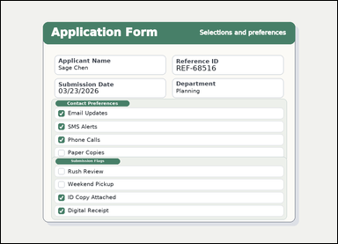 | 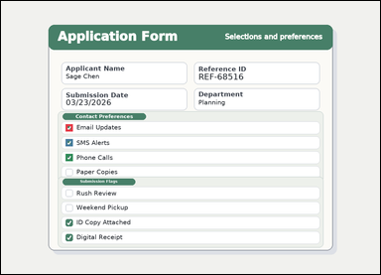 | task_documents_selection_checkbox_count | checked_box_count | Read the named sections in this document: a structured application form with visible section headers, context fields, and checkbox groups. Use the visible section headers and checkboxes to answer: In the Contact Preferences section, how many checkboxes are checked? Respond with the integer count of checked boxes. Return a valid JSON object with keys "evidence" and "answer" in that order. Evidence rule: set "evidence" to an array containing one bounding box for each counted checkbox, in reading order. Answer rule: set "answer" to the number of counted checkboxes. Example JSON: {"evidence":[[154,252,178,276],[154,304,178,328]],"answer":2} | Read the named sections in this document: a structured application form with visible section headers, context fields, and checkbox groups. Use the visible section headers and checkboxes to answer: In the Contact Preferences section, how many checkboxes are checked? Respond with the integer count of checked boxes. Return a valid JSON object with key "answer". Answer requirement: set "answer" to the number of counted checkboxes. Example JSON: {"answer":2} | {"evidence": [[218.0, 415.0, 242.0, 439.0], [218.0, 465.0, 242.0, 489.0], [218.0, 515.0, 242.0, 539.0]], "answer": 3} | [[218.0, 415.0, 242.0, 439.0], [218.0, 465.0, 242.0, 489.0], [218.0, 515.0, 242.0, 539.0]] | integer | bbox_set | 8.324968892E+15 | documents/task_documents_selection_checkbox_count/images/checked_box_count/0018.png | documents/task_documents_selection_checkbox_count/data/checked_box_count/0018.json
 |  | task_documents_selection_checkbox_count | checked_box_count | Read the named sections in this document: an invoice with visible named sections, header fields, and checkbox groups. In the Billing Flags section, how many checkboxes are checked? Respond with the integer count of checked boxes. Return a valid JSON object with keys "evidence" and "answer" in that order. Evidence field: set "evidence" to an array containing one bounding box for each counted checkbox, in reading order. Answer field: set "answer" to the number of counted checkboxes. Example JSON: {"evidence":[[154,252,178,276],[154,304,178,328]],"answer":2} | Read the named sections in this document: an invoice with visible named sections, header fields, and checkbox groups. In the Billing Flags section, how many checkboxes are checked? Respond with the integer count of checked boxes. Return a valid JSON object with key "answer". Answer field: set "answer" to the number of counted checkboxes. Example JSON: {"answer":2} | {"evidence": [[666.0, 325.0, 690.0, 349.0], [666.0, 381.0, 690.0, 405.0], [666.0, 437.0, 690.0, 461.0], [666.0, 493.0, 690.0, 517.0]], "answer": 4} | [[666.0, 325.0, 690.0, 349.0], [666.0, 381.0, 690.0, 405.0], [666.0, 437.0, 690.0, 461.0], [666.0, 493.0, 690.0, 517.0]] | integer | bbox_set | 8.7444279327E+15 | documents/task_documents_selection_checkbox_count/images/checked_box_count/0023.png | documents/task_documents_selection_checkbox_count/data/checked_box_count/0023.json
 |  | task_documents_selection_checkbox_count | checked_box_count | Use the structured document in the image: a structured application form with visible section headers, context fields, and checkbox groups. Find the named section and then answer: In the Contact Preferences section, how many checkboxes are checked? Return only the number of checked boxes. Return a valid JSON object with keys "evidence" and "answer" in that order. Evidence format: set "evidence" to an array containing one bounding box for each counted checkbox, in reading order. Answer requirement: set "answer" to the number of counted checkboxes. Example JSON: {"evidence":[[154,252,178,276],[154,304,178,328]],"answer":2} | Use the structured document in the image: a structured application form with visible section headers, context fields, and checkbox groups. Find the named section and then answer: In the Contact Preferences section, how many checkboxes are checked? Return only the number of checked boxes. Return a valid JSON object with key "answer". Answer requirement: set "answer" to the number of counted checkboxes. Example JSON: {"answer":2} | {"evidence": [], "answer": 0} | [] | integer | bbox_set | 8.9969600489E+15 | documents/task_documents_selection_checkbox_count/images/checked_box_count/0014.png | documents/task_documents_selection_checkbox_count/data/checked_box_count/0014.json

unchecked_box_count
image | evidence_image | task | task_variant | prompt | prompt_answer_only | answer | answer_evidence | answer_type | evidence_type | instance_seed | image_path | data_path
 |  | task_documents_selection_checkbox_count | unchecked_box_count | You are given a structured application form with visible section headers, context fields, and checkbox groups. Locate the relevant checkbox section before answering: In the Submission Flags section, how many checkboxes are not checked? Answer using the checkbox count only. Return a valid JSON object with keys "evidence" and "answer" in that order. Evidence requirement: set "evidence" to an array containing one bounding box for each counted checkbox, in reading order. Answer format: set "answer" to the number of counted checkboxes. Example JSON: {"evidence":[[154,356,178,380]],"answer":1} | You are given a structured application form with visible section headers, context fields, and checkbox groups. Locate the relevant checkbox section before answering: In the Submission Flags section, how many checkboxes are not checked? Answer using the checkbox count only. Return a valid JSON object with key "answer". Answer requirement: set "answer" to the number of counted checkboxes. Example JSON: {"answer":1} | {"evidence": [[218.0, 635.0, 242.0, 659.0], [218.0, 685.0, 242.0, 709.0], [218.0, 785.0, 242.0, 809.0]], "answer": 3} | [[218.0, 635.0, 242.0, 659.0], [218.0, 685.0, 242.0, 709.0], [218.0, 785.0, 242.0, 809.0]] | integer | bbox_set | 122979594513048 | documents/task_documents_selection_checkbox_count/images/unchecked_box_count/0024.png | documents/task_documents_selection_checkbox_count/data/unchecked_box_count/0024.json
 | 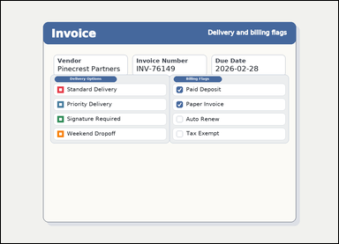 | task_documents_selection_checkbox_count | unchecked_box_count | Read the named sections in this document: an invoice with visible named sections, header fields, and checkbox groups. Find the named section and then answer: In the Delivery Options section, how many checkboxes are not checked? Answer using the checkbox count only. Return a valid JSON object with keys "evidence" and "answer" in that order. Evidence: set "evidence" to an array containing one bounding box for each counted checkbox, in reading order. Answer: set "answer" to the number of counted checkboxes. Example JSON: {"evidence":[[154,356,178,380]],"answer":1} | Read the named sections in this document: an invoice with visible named sections, header fields, and checkbox groups. Find the named section and then answer: In the Delivery Options section, how many checkboxes are not checked? Answer using the checkbox count only. Return a valid JSON object with key "answer". Answer: set "answer" to the number of counted checkboxes. Example JSON: {"answer":1} | {"evidence": [[214.0, 325.0, 238.0, 349.0], [214.0, 381.0, 238.0, 405.0], [214.0, 437.0, 238.0, 461.0], [214.0, 493.0, 238.0, 517.0]], "answer": 4} | [[214.0, 325.0, 238.0, 349.0], [214.0, 381.0, 238.0, 405.0], [214.0, 437.0, 238.0, 461.0], [214.0, 493.0, 238.0, 517.0]] | integer | bbox_set | 160071223583743 | documents/task_documents_selection_checkbox_count/images/unchecked_box_count/0021.png | documents/task_documents_selection_checkbox_count/data/unchecked_box_count/0021.json
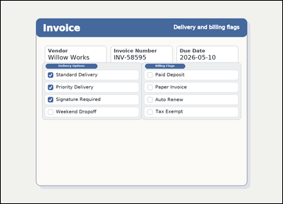 |  | task_documents_selection_checkbox_count | unchecked_box_count | You are given an invoice with visible named sections, header fields, and checkbox groups. Read the document and answer this question: In the Billing Flags section, how many checkboxes are not checked? Answer with the count as an integer. Return a valid JSON object with keys "evidence" and "answer" in that order. Evidence format: set "evidence" to an array containing one bounding box for each counted checkbox, in reading order. Answer requirement: set "answer" to the number of counted checkboxes. Example JSON: {"evidence":[[154,356,178,380]],"answer":1} | You are given an invoice with visible named sections, header fields, and checkbox groups. Read the document and answer this question: In the Billing Flags section, how many checkboxes are not checked? Answer with the count as an integer. Return a valid JSON object with key "answer". Answer: set "answer" to the number of counted checkboxes. Example JSON: {"answer":1} | {"evidence": [[666.0, 325.0, 690.0, 349.0], [666.0, 381.0, 690.0, 405.0], [666.0, 437.0, 690.0, 461.0], [666.0, 493.0, 690.0, 517.0]], "answer": 4} | [[666.0, 325.0, 690.0, 349.0], [666.0, 381.0, 690.0, 405.0], [666.0, 437.0, 690.0, 461.0], [666.0, 493.0, 690.0, 517.0]] | integer | bbox_set | 305656232086167 | documents/task_documents_selection_checkbox_count/images/unchecked_box_count/0002.png | documents/task_documents_selection_checkbox_count/data/unchecked_box_count/0002.json
 |  | task_documents_selection_checkbox_count | unchecked_box_count | Look at the document in the image: a structured application form with visible section headers, context fields, and checkbox groups. In the Contact Preferences section, how many checkboxes are not checked? Respond with the integer count of unchecked boxes. Return a valid JSON object with keys "evidence" and "answer" in that order. Evidence requirement: set "evidence" to an array containing one bounding box for each counted checkbox, in reading order. Answer format: set "answer" to the number of counted checkboxes. Example JSON: {"evidence":[[154,356,178,380]],"answer":1} | Look at the document in the image: a structured application form with visible section headers, context fields, and checkbox groups. In the Contact Preferences section, how many checkboxes are not checked? Respond with the integer count of unchecked boxes. Return a valid JSON object with key "answer". Answer: set "answer" to the number of counted checkboxes. Example JSON: {"answer":1} | {"evidence": [[218.0, 415.0, 242.0, 439.0]], "answer": 1} | [[218.0, 415.0, 242.0, 439.0]] | integer | bbox_set | 605357668821523 | documents/task_documents_selection_checkbox_count/images/unchecked_box_count/0023.png | documents/task_documents_selection_checkbox_count/data/unchecked_box_count/0023.json
 |  | task_documents_selection_checkbox_count | unchecked_box_count | You are given a structured application form with visible section headers, context fields, and checkbox groups. In the Submission Flags section, how many checkboxes are not checked? Give the count of unchecked boxes as an integer. Return a valid JSON object with keys "evidence" and "answer" in that order. Evidence rule: set "evidence" to an array containing one bounding box for each counted checkbox, in reading order. Answer rule: set "answer" to the number of counted checkboxes. Example JSON: {"evidence":[[154,356,178,380]],"answer":1} | You are given a structured application form with visible section headers, context fields, and checkbox groups. In the Submission Flags section, how many checkboxes are not checked? Give the count of unchecked boxes as an integer. Return a valid JSON object with key "answer". Answer: set "answer" to the number of counted checkboxes. Example JSON: {"answer":1} | {"evidence": [], "answer": 0} | [] | integer | bbox_set | 715081478652181 | documents/task_documents_selection_checkbox_count/images/unchecked_box_count/0001.png | documents/task_documents_selection_checkbox_count/data/unchecked_box_count/0001.json
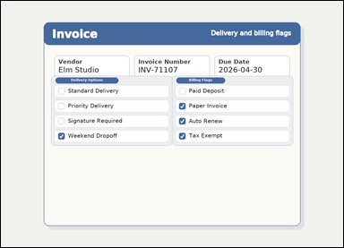 | 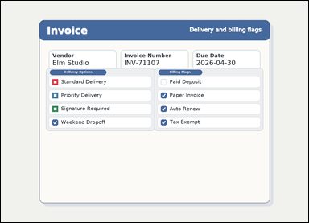 | task_documents_selection_checkbox_count | unchecked_box_count | Use the structured document in the image: an invoice with visible named sections, header fields, and checkbox groups. In the Delivery Options section, how many checkboxes are not checked? Answer with the count as an integer. Return a valid JSON object with keys "evidence" and "answer" in that order. Evidence field: set "evidence" to an array containing one bounding box for each counted checkbox, in reading order. Answer field: set "answer" to the number of counted checkboxes. Example JSON: {"evidence":[[154,356,178,380]],"answer":1} | Use the structured document in the image: an invoice with visible named sections, header fields, and checkbox groups. In the Delivery Options section, how many checkboxes are not checked? Answer with the count as an integer. Return a valid JSON object with key "answer". Answer requirement: set "answer" to the number of counted checkboxes. Example JSON: {"answer":1} | {"evidence": [[214.0, 325.0, 238.0, 349.0], [214.0, 381.0, 238.0, 405.0], [214.0, 437.0, 238.0, 461.0]], "answer": 3} | [[214.0, 325.0, 238.0, 349.0], [214.0, 381.0, 238.0, 405.0], [214.0, 437.0, 238.0, 461.0]] | integer | bbox_set | 1.0195270148E+15 | documents/task_documents_selection_checkbox_count/images/unchecked_box_count/0009.png | documents/task_documents_selection_checkbox_count/data/unchecked_box_count/0009.json
 |  | task_documents_selection_checkbox_count | unchecked_box_count | Look at the document in the image: a structured application form with visible section headers, context fields, and checkbox groups. In the Contact Preferences section, how many checkboxes are not checked? Return only the number of unchecked boxes. Return a valid JSON object with keys "evidence" and "answer" in that order. Evidence field: set "evidence" to an array containing one bounding box for each counted checkbox, in reading order. Answer field: set "answer" to the number of counted checkboxes. Example JSON: {"evidence":[[154,356,178,380]],"answer":1} | Look at the document in the image: a structured application form with visible section headers, context fields, and checkbox groups. In the Contact Preferences section, how many checkboxes are not checked? Return only the number of unchecked boxes. Return a valid JSON object with key "answer". Answer rule: set "answer" to the number of counted checkboxes. Example JSON: {"answer":1} | {"evidence": [[218.0, 415.0, 242.0, 439.0], [218.0, 465.0, 242.0, 489.0], [218.0, 565.0, 242.0, 589.0]], "answer": 3} | [[218.0, 415.0, 242.0, 439.0], [218.0, 465.0, 242.0, 489.0], [218.0, 565.0, 242.0, 589.0]] | integer | bbox_set | 1.1370064512E+15 | documents/task_documents_selection_checkbox_count/images/unchecked_box_count/0020.png | documents/task_documents_selection_checkbox_count/data/unchecked_box_count/0020.json
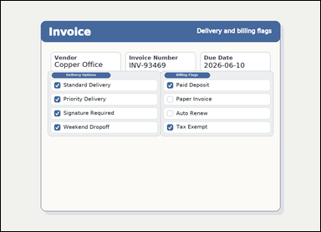 |  | task_documents_selection_checkbox_count | unchecked_box_count | Read the named sections in this document: an invoice with visible named sections, header fields, and checkbox groups. Read the document and answer this question: In the Billing Flags section, how many checkboxes are not checked? Return only the number of unchecked boxes. Return a valid JSON object with keys "evidence" and "answer" in that order. Evidence: set "evidence" to an array containing one bounding box for each counted checkbox, in reading order. Answer: set "answer" to the number of counted checkboxes. Example JSON: {"evidence":[[154,356,178,380]],"answer":1} | Read the named sections in this document: an invoice with visible named sections, header fields, and checkbox groups. Read the document and answer this question: In the Billing Flags section, how many checkboxes are not checked? Return only the number of unchecked boxes. Return a valid JSON object with key "answer". Answer format: set "answer" to the number of counted checkboxes. Example JSON: {"answer":1} | {"evidence": [[666.0, 381.0, 690.0, 405.0], [666.0, 437.0, 690.0, 461.0]], "answer": 2} | [[666.0, 381.0, 690.0, 405.0], [666.0, 437.0, 690.0, 461.0]] | integer | bbox_set | 1.5125344938E+15 | documents/task_documents_selection_checkbox_count/images/unchecked_box_count/0019.png | documents/task_documents_selection_checkbox_count/data/unchecked_box_count/0019.json
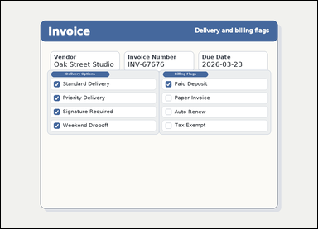 |  | task_documents_selection_checkbox_count | unchecked_box_count | You are given an invoice with visible named sections, header fields, and checkbox groups. Read the document and answer this question: In the Delivery Options section, how many checkboxes are not checked? Answer using the checkbox count only. Return a valid JSON object with keys "evidence" and "answer" in that order. Evidence: set "evidence" to an array containing one bounding box for each counted checkbox, in reading order. Answer: set "answer" to the number of counted checkboxes. Example JSON: {"evidence":[[154,356,178,380]],"answer":1} | You are given an invoice with visible named sections, header fields, and checkbox groups. Read the document and answer this question: In the Delivery Options section, how many checkboxes are not checked? Answer using the checkbox count only. Return a valid JSON object with key "answer". Answer format: set "answer" to the number of counted checkboxes. Example JSON: {"answer":1} | {"evidence": [], "answer": 0} | [] | integer | bbox_set | 2.134384261E+15 | documents/task_documents_selection_checkbox_count/images/unchecked_box_count/0022.png | documents/task_documents_selection_checkbox_count/data/unchecked_box_count/0022.json
 |  | task_documents_selection_checkbox_count | unchecked_box_count | Use the structured document in the image: an invoice with visible named sections, header fields, and checkbox groups. Use the visible section headers and checkboxes to answer: In the Delivery Options section, how many checkboxes are not checked? Answer with the count as an integer. Return a valid JSON object with keys "evidence" and "answer" in that order. Evidence: set "evidence" to an array containing one bounding box for each counted checkbox, in reading order. Answer: set "answer" to the number of counted checkboxes. Example JSON: {"evidence":[[154,356,178,380]],"answer":1} | Use the structured document in the image: an invoice with visible named sections, header fields, and checkbox groups. Use the visible section headers and checkboxes to answer: In the Delivery Options section, how many checkboxes are not checked? Answer with the count as an integer. Return a valid JSON object with key "answer". Answer field: set "answer" to the number of counted checkboxes. Example JSON: {"answer":1} | {"evidence": [], "answer": 0} | [] | integer | bbox_set | 2.78934671E+15 | documents/task_documents_selection_checkbox_count/images/unchecked_box_count/0006.png | documents/task_documents_selection_checkbox_count/data/unchecked_box_count/0006.json
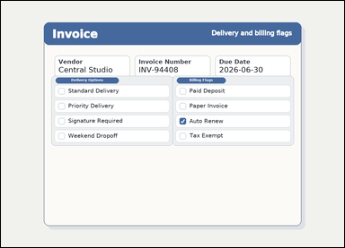 | 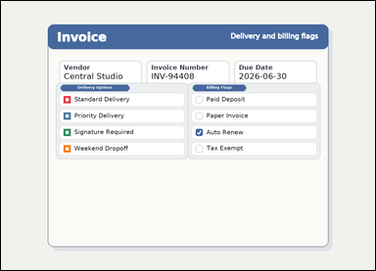 | task_documents_selection_checkbox_count | unchecked_box_count | Look at the document in the image: an invoice with visible named sections, header fields, and checkbox groups. In the Delivery Options section, how many checkboxes are not checked? Answer with the count as an integer. Return a valid JSON object with keys "evidence" and "answer" in that order. Evidence field: set "evidence" to an array containing one bounding box for each counted checkbox, in reading order. Answer field: set "answer" to the number of counted checkboxes. Example JSON: {"evidence":[[154,356,178,380]],"answer":1} | Look at the document in the image: an invoice with visible named sections, header fields, and checkbox groups. In the Delivery Options section, how many checkboxes are not checked? Answer with the count as an integer. Return a valid JSON object with key "answer". Answer requirement: set "answer" to the number of counted checkboxes. Example JSON: {"answer":1} | {"evidence": [[214.0, 325.0, 238.0, 349.0], [214.0, 381.0, 238.0, 405.0], [214.0, 437.0, 238.0, 461.0], [214.0, 493.0, 238.0, 517.0]], "answer": 4} | [[214.0, 325.0, 238.0, 349.0], [214.0, 381.0, 238.0, 405.0], [214.0, 437.0, 238.0, 461.0], [214.0, 493.0, 238.0, 517.0]] | integer | bbox_set | 3.1204102022E+15 | documents/task_documents_selection_checkbox_count/images/unchecked_box_count/0018.png | documents/task_documents_selection_checkbox_count/data/unchecked_box_count/0018.json
 |  | task_documents_selection_checkbox_count | unchecked_box_count | You are given a structured application form with visible section headers, context fields, and checkbox groups. In the Contact Preferences section, how many checkboxes are not checked? Respond with the integer count of unchecked boxes. Return a valid JSON object with keys "evidence" and "answer" in that order. Evidence rule: set "evidence" to an array containing one bounding box for each counted checkbox, in reading order. Answer rule: set "answer" to the number of counted checkboxes. Example JSON: {"evidence":[[154,356,178,380]],"answer":1} | You are given a structured application form with visible section headers, context fields, and checkbox groups. In the Contact Preferences section, how many checkboxes are not checked? Respond with the integer count of unchecked boxes. Return a valid JSON object with key "answer". Answer format: set "answer" to the number of counted checkboxes. Example JSON: {"answer":1} | {"evidence": [[218.0, 415.0, 242.0, 439.0]], "answer": 1} | [[218.0, 415.0, 242.0, 439.0]] | integer | bbox_set | 3.3879840556E+15 | documents/task_documents_selection_checkbox_count/images/unchecked_box_count/0017.png | documents/task_documents_selection_checkbox_count/data/unchecked_box_count/0017.json
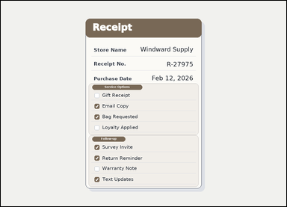 |  | task_documents_selection_checkbox_count | unchecked_box_count | The image shows a receipt-style document with visible section headers and checkbox groups. In the Follow-up section, how many checkboxes are not checked? Answer with the count as an integer. Return a valid JSON object with keys "evidence" and "answer" in that order. Evidence rule: set "evidence" to an array containing one bounding box for each counted checkbox, in reading order. Answer rule: set "answer" to the number of counted checkboxes. Example JSON: {"evidence":[[154,356,178,380]],"answer":1} | The image shows a receipt-style document with visible section headers and checkbox groups. In the Follow-up section, how many checkboxes are not checked? Answer with the count as an integer. Return a valid JSON object with key "answer". Answer: set "answer" to the number of counted checkboxes. Example JSON: {"answer":1} | {"evidence": [[420.0, 741.0, 442.0, 763.0]], "answer": 1} | [[420.0, 741.0, 442.0, 763.0]] | integer | bbox_set | 3.9476762464E+15 | documents/task_documents_selection_checkbox_count/images/unchecked_box_count/0010.png | documents/task_documents_selection_checkbox_count/data/unchecked_box_count/0010.json
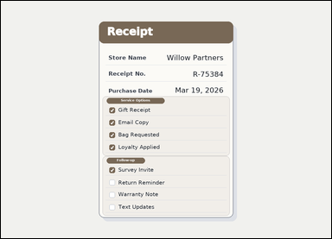 |  | task_documents_selection_checkbox_count | unchecked_box_count | Use the structured document in the image: a receipt-style document with visible section headers and checkbox groups. In the Service Options section, how many checkboxes are not checked? Give the count of unchecked boxes as an integer. Return a valid JSON object with keys "evidence" and "answer" in that order. Evidence requirement: set "evidence" to an array containing one bounding box for each counted checkbox, in reading order. Answer format: set "answer" to the number of counted checkboxes. Example JSON: {"evidence":[[154,356,178,380]],"answer":1} | Use the structured document in the image: a receipt-style document with visible section headers and checkbox groups. In the Service Options section, how many checkboxes are not checked? Give the count of unchecked boxes as an integer. Return a valid JSON object with key "answer". Answer: set "answer" to the number of counted checkboxes. Example JSON: {"answer":1} | {"evidence": [], "answer": 0} | [] | integer | bbox_set | 5.9460297863E+15 | documents/task_documents_selection_checkbox_count/images/unchecked_box_count/0014.png | documents/task_documents_selection_checkbox_count/data/unchecked_box_count/0014.json
 |  | task_documents_selection_checkbox_count | unchecked_box_count | Use the structured document in the image: a receipt-style document with visible section headers and checkbox groups. Read the document and answer this question: In the Service Options section, how many checkboxes are not checked? Answer with the count as an integer. Return a valid JSON object with keys "evidence" and "answer" in that order. Evidence: set "evidence" to an array containing one bounding box for each counted checkbox, in reading order. Answer: set "answer" to the number of counted checkboxes. Example JSON: {"evidence":[[154,356,178,380]],"answer":1} | Use the structured document in the image: a receipt-style document with visible section headers and checkbox groups. Read the document and answer this question: In the Service Options section, how many checkboxes are not checked? Answer with the count as an integer. Return a valid JSON object with key "answer". Answer: set "answer" to the number of counted checkboxes. Example JSON: {"answer":1} | {"evidence": [[420.0, 413.0, 442.0, 435.0], [420.0, 509.0, 442.0, 531.0], [420.0, 557.0, 442.0, 579.0]], "answer": 3} | [[420.0, 413.0, 442.0, 435.0], [420.0, 509.0, 442.0, 531.0], [420.0, 557.0, 442.0, 579.0]] | integer | bbox_set | 5.985363198E+15 | documents/task_documents_selection_checkbox_count/images/unchecked_box_count/0015.png | documents/task_documents_selection_checkbox_count/data/unchecked_box_count/0015.json
 |  | task_documents_selection_checkbox_count | unchecked_box_count | Look at the document in the image: a receipt-style document with visible section headers and checkbox groups. Locate the relevant checkbox section before answering: In the Service Options section, how many checkboxes are not checked? Give the count of unchecked boxes as an integer. Return a valid JSON object with keys "evidence" and "answer" in that order. Evidence: set "evidence" to an array containing one bounding box for each counted checkbox, in reading order. Answer: set "answer" to the number of counted checkboxes. Example JSON: {"evidence":[[154,356,178,380]],"answer":1} | Look at the document in the image: a receipt-style document with visible section headers and checkbox groups. Locate the relevant checkbox section before answering: In the Service Options section, how many checkboxes are not checked? Give the count of unchecked boxes as an integer. Return a valid JSON object with key "answer". Answer: set "answer" to the number of counted checkboxes. Example JSON: {"answer":1} | {"evidence": [[420.0, 461.0, 442.0, 483.0]], "answer": 1} | [[420.0, 461.0, 442.0, 483.0]] | integer | bbox_set | 6.007598046E+15 | documents/task_documents_selection_checkbox_count/images/unchecked_box_count/0011.png | documents/task_documents_selection_checkbox_count/data/unchecked_box_count/0011.json
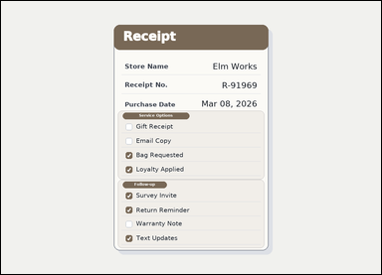 |  | task_documents_selection_checkbox_count | unchecked_box_count | Use the structured document in the image: a receipt-style document with visible section headers and checkbox groups. Find the named section and then answer: In the Service Options section, how many checkboxes are not checked? Respond with the integer count of unchecked boxes. Return a valid JSON object with keys "evidence" and "answer" in that order. Evidence requirement: set "evidence" to an array containing one bounding box for each counted checkbox, in reading order. Answer format: set "answer" to the number of counted checkboxes. Example JSON: {"evidence":[[154,356,178,380]],"answer":1} | Use the structured document in the image: a receipt-style document with visible section headers and checkbox groups. Find the named section and then answer: In the Service Options section, how many checkboxes are not checked? Respond with the integer count of unchecked boxes. Return a valid JSON object with key "answer". Answer rule: set "answer" to the number of counted checkboxes. Example JSON: {"answer":1} | {"evidence": [[420.0, 413.0, 442.0, 435.0], [420.0, 461.0, 442.0, 483.0]], "answer": 2} | [[420.0, 413.0, 442.0, 435.0], [420.0, 461.0, 442.0, 483.0]] | integer | bbox_set | 6.2190849822E+15 | documents/task_documents_selection_checkbox_count/images/unchecked_box_count/0004.png | documents/task_documents_selection_checkbox_count/data/unchecked_box_count/0004.json
 | 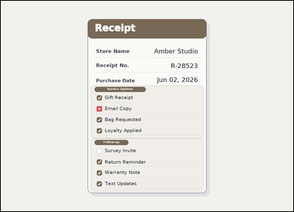 | task_documents_selection_checkbox_count | unchecked_box_count | Use the structured document in the image: a receipt-style document with visible section headers and checkbox groups. Locate the relevant checkbox section before answering: In the Service Options section, how many checkboxes are not checked? Respond with the integer count of unchecked boxes. Return a valid JSON object with keys "evidence" and "answer" in that order. Evidence field: set "evidence" to an array containing one bounding box for each counted checkbox, in reading order. Answer field: set "answer" to the number of counted checkboxes. Example JSON: {"evidence":[[154,356,178,380]],"answer":1} | Use the structured document in the image: a receipt-style document with visible section headers and checkbox groups. Locate the relevant checkbox section before answering: In the Service Options section, how many checkboxes are not checked? Respond with the integer count of unchecked boxes. Return a valid JSON object with key "answer". Answer requirement: set "answer" to the number of counted checkboxes. Example JSON: {"answer":1} | {"evidence": [[420.0, 461.0, 442.0, 483.0]], "answer": 1} | [[420.0, 461.0, 442.0, 483.0]] | integer | bbox_set | 6.5079670126E+15 | documents/task_documents_selection_checkbox_count/images/unchecked_box_count/0007.png | documents/task_documents_selection_checkbox_count/data/unchecked_box_count/0007.json
 |  | task_documents_selection_checkbox_count | unchecked_box_count | Read the named sections in this document: a receipt-style document with visible section headers and checkbox groups. Use the visible section headers and checkboxes to answer: In the Service Options section, how many checkboxes are not checked? Respond with the integer count of unchecked boxes. Return a valid JSON object with keys "evidence" and "answer" in that order. Evidence requirement: set "evidence" to an array containing one bounding box for each counted checkbox, in reading order. Answer format: set "answer" to the number of counted checkboxes. Example JSON: {"evidence":[[154,356,178,380]],"answer":1} | Read the named sections in this document: a receipt-style document with visible section headers and checkbox groups. Use the visible section headers and checkboxes to answer: In the Service Options section, how many checkboxes are not checked? Respond with the integer count of unchecked boxes. Return a valid JSON object with key "answer". Answer format: set "answer" to the number of counted checkboxes. Example JSON: {"answer":1} | {"evidence": [[420.0, 461.0, 442.0, 483.0], [420.0, 509.0, 442.0, 531.0]], "answer": 2} | [[420.0, 461.0, 442.0, 483.0], [420.0, 509.0, 442.0, 531.0]] | integer | bbox_set | 6.7030423755E+15 | documents/task_documents_selection_checkbox_count/images/unchecked_box_count/0003.png | documents/task_documents_selection_checkbox_count/data/unchecked_box_count/0003.json
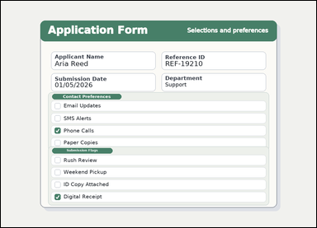 |  | task_documents_selection_checkbox_count | unchecked_box_count | Use the structured document in the image: a structured application form with visible section headers, context fields, and checkbox groups. Use the visible section headers and checkboxes to answer: In the Submission Flags section, how many checkboxes are not checked? Give the count of unchecked boxes as an integer. Return a valid JSON object with keys "evidence" and "answer" in that order. Evidence format: set "evidence" to an array containing one bounding box for each counted checkbox, in reading order. Answer requirement: set "answer" to the number of counted checkboxes. Example JSON: {"evidence":[[154,356,178,380]],"answer":1} | Use the structured document in the image: a structured application form with visible section headers, context fields, and checkbox groups. Use the visible section headers and checkboxes to answer: In the Submission Flags section, how many checkboxes are not checked? Give the count of unchecked boxes as an integer. Return a valid JSON object with key "answer". Answer requirement: set "answer" to the number of counted checkboxes. Example JSON: {"answer":1} | {"evidence": [[218.0, 635.0, 242.0, 659.0], [218.0, 685.0, 242.0, 709.0], [218.0, 735.0, 242.0, 759.0]], "answer": 3} | [[218.0, 635.0, 242.0, 659.0], [218.0, 685.0, 242.0, 709.0], [218.0, 735.0, 242.0, 759.0]] | integer | bbox_set | 6.8386244986E+15 | documents/task_documents_selection_checkbox_count/images/unchecked_box_count/0005.png | documents/task_documents_selection_checkbox_count/data/unchecked_box_count/0005.json
 |  | task_documents_selection_checkbox_count | unchecked_box_count | The image shows a structured application form with visible section headers, context fields, and checkbox groups. In the Contact Preferences section, how many checkboxes are not checked? Give the count of unchecked boxes as an integer. Return a valid JSON object with keys "evidence" and "answer" in that order. Evidence format: set "evidence" to an array containing one bounding box for each counted checkbox, in reading order. Answer requirement: set "answer" to the number of counted checkboxes. Example JSON: {"evidence":[[154,356,178,380]],"answer":1} | The image shows a structured application form with visible section headers, context fields, and checkbox groups. In the Contact Preferences section, how many checkboxes are not checked? Give the count of unchecked boxes as an integer. Return a valid JSON object with key "answer". Answer requirement: set "answer" to the number of counted checkboxes. Example JSON: {"answer":1} | {"evidence": [[218.0, 465.0, 242.0, 489.0], [218.0, 515.0, 242.0, 539.0], [218.0, 565.0, 242.0, 589.0]], "answer": 3} | [[218.0, 465.0, 242.0, 489.0], [218.0, 515.0, 242.0, 539.0], [218.0, 565.0, 242.0, 589.0]] | integer | bbox_set | 6.9369204245E+15 | documents/task_documents_selection_checkbox_count/images/unchecked_box_count/0000.png | documents/task_documents_selection_checkbox_count/data/unchecked_box_count/0000.json
 | 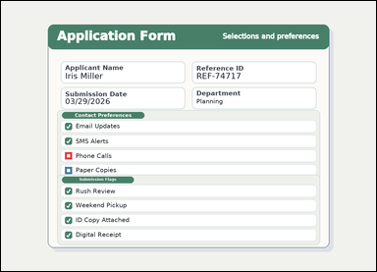 | task_documents_selection_checkbox_count | unchecked_box_count | Read the named sections in this document: a structured application form with visible section headers, context fields, and checkbox groups. In the Contact Preferences section, how many checkboxes are not checked? Give the count of unchecked boxes as an integer. Return a valid JSON object with keys "evidence" and "answer" in that order. Evidence: set "evidence" to an array containing one bounding box for each counted checkbox, in reading order. Answer: set "answer" to the number of counted checkboxes. Example JSON: {"evidence":[[154,356,178,380]],"answer":1} | Read the named sections in this document: a structured application form with visible section headers, context fields, and checkbox groups. In the Contact Preferences section, how many checkboxes are not checked? Give the count of unchecked boxes as an integer. Return a valid JSON object with key "answer". Answer requirement: set "answer" to the number of counted checkboxes. Example JSON: {"answer":1} | {"evidence": [[218.0, 515.0, 242.0, 539.0], [218.0, 565.0, 242.0, 589.0]], "answer": 2} | [[218.0, 515.0, 242.0, 539.0], [218.0, 565.0, 242.0, 589.0]] | integer | bbox_set | 7.0346685254E+15 | documents/task_documents_selection_checkbox_count/images/unchecked_box_count/0013.png | documents/task_documents_selection_checkbox_count/data/unchecked_box_count/0013.json
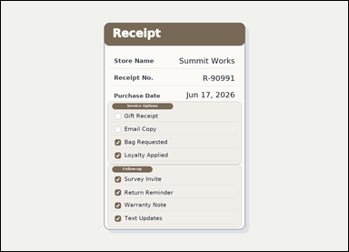 |  | task_documents_selection_checkbox_count | unchecked_box_count | Look at the document in the image: a receipt-style document with visible section headers and checkbox groups. Use the visible section headers and checkboxes to answer: In the Service Options section, how many checkboxes are not checked? Return only the number of unchecked boxes. Return a valid JSON object with keys "evidence" and "answer" in that order. Evidence field: set "evidence" to an array containing one bounding box for each counted checkbox, in reading order. Answer field: set "answer" to the number of counted checkboxes. Example JSON: {"evidence":[[154,356,178,380]],"answer":1} | Look at the document in the image: a receipt-style document with visible section headers and checkbox groups. Use the visible section headers and checkboxes to answer: In the Service Options section, how many checkboxes are not checked? Return only the number of unchecked boxes. Return a valid JSON object with key "answer". Answer requirement: set "answer" to the number of counted checkboxes. Example JSON: {"answer":1} | {"evidence": [[420.0, 413.0, 442.0, 435.0], [420.0, 461.0, 442.0, 483.0]], "answer": 2} | [[420.0, 413.0, 442.0, 435.0], [420.0, 461.0, 442.0, 483.0]] | integer | bbox_set | 7.4687886092E+15 | documents/task_documents_selection_checkbox_count/images/unchecked_box_count/0008.png | documents/task_documents_selection_checkbox_count/data/unchecked_box_count/0008.json
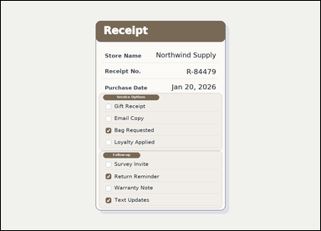 | 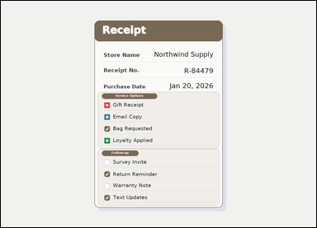 | task_documents_selection_checkbox_count | unchecked_box_count | You are given a receipt-style document with visible section headers and checkbox groups. In the Service Options section, how many checkboxes are not checked? Answer using the checkbox count only. Return a valid JSON object with keys "evidence" and "answer" in that order. Evidence requirement: set "evidence" to an array containing one bounding box for each counted checkbox, in reading order. Answer format: set "answer" to the number of counted checkboxes. Example JSON: {"evidence":[[154,356,178,380]],"answer":1} | You are given a receipt-style document with visible section headers and checkbox groups. In the Service Options section, how many checkboxes are not checked? Answer using the checkbox count only. Return a valid JSON object with key "answer". Answer requirement: set "answer" to the number of counted checkboxes. Example JSON: {"answer":1} | {"evidence": [[420.0, 413.0, 442.0, 435.0], [420.0, 461.0, 442.0, 483.0], [420.0, 557.0, 442.0, 579.0]], "answer": 3} | [[420.0, 413.0, 442.0, 435.0], [420.0, 461.0, 442.0, 483.0], [420.0, 557.0, 442.0, 579.0]] | integer | bbox_set | 8.2835922772E+15 | documents/task_documents_selection_checkbox_count/images/unchecked_box_count/0012.png | documents/task_documents_selection_checkbox_count/data/unchecked_box_count/0012.json
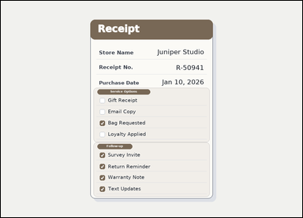 |  | task_documents_selection_checkbox_count | unchecked_box_count | Use the structured document in the image: a receipt-style document with visible section headers and checkbox groups. Read the document and answer this question: In the Follow-up section, how many checkboxes are not checked? Answer with the count as an integer. Return a valid JSON object with keys "evidence" and "answer" in that order. Evidence rule: set "evidence" to an array containing one bounding box for each counted checkbox, in reading order. Answer rule: set "answer" to the number of counted checkboxes. Example JSON: {"evidence":[[154,356,178,380]],"answer":1} | Use the structured document in the image: a receipt-style document with visible section headers and checkbox groups. Read the document and answer this question: In the Follow-up section, how many checkboxes are not checked? Answer with the count as an integer. Return a valid JSON object with key "answer". Answer format: set "answer" to the number of counted checkboxes. Example JSON: {"answer":1} | {"evidence": [], "answer": 0} | [] | integer | bbox_set | 8.4479361593E+15 | documents/task_documents_selection_checkbox_count/images/unchecked_box_count/0016.png | documents/task_documents_selection_checkbox_count/data/unchecked_box_count/0016.json

