capture_move_count
image | evidence_image | task | task_variant | prompt | prompt_answer_only | answer | answer_evidence | answer_type | evidence_type | instance_seed | image_path | data_path
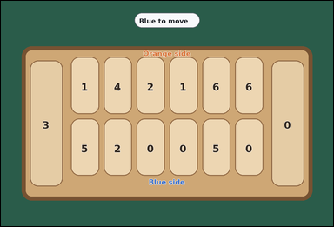 | 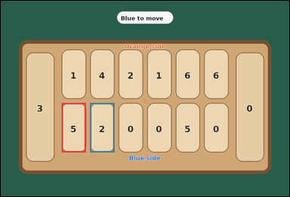 | task_games_mancala_move_count | capture_move_count | Work from the Mancala position shown in the image: one visible Mancala board with six pits per side and two side stores. Use the displayed Mancala state to determine the requested count. Blue controls the bottom row and the right store. On a move, choose one non-empty pit on Blue's row, pick up all stones from that pit, and place them one by one into the following pits moving counterclockwise, including Blue's store but skipping Orange's store. A move causes a capture if the last stone lands in an empty pit on Blue's row and the opposite Orange pit contains one or more stones; then Blue moves both that last stone and all stones from the opposite pit into Blue's store. Count the bottom-row pits that would make Blue capture stones on this move. Answer with an integer. Return a valid JSON object with keys "evidence" and "answer" in that order. Evidence requirement: set "evidence" to an array of bounding boxes [x1, y1, x2, y2] for every bottom-row pit that would cause a capture. Answer format: set "answer" to the number of bottom-row pits that would cause a capture. Example JSON: {"evidence":[[140,236,242,360],[262,236,364,360]],"answer":2} | Work from the Mancala position shown in the image: one visible Mancala board with six pits per side and two side stores. Use the displayed Mancala state to determine the requested count. Blue controls the bottom row and the right store. On a move, choose one non-empty pit on Blue's row, pick up all stones from that pit, and place them one by one into the following pits moving counterclockwise, including Blue's store but skipping Orange's store. A move causes a capture if the last stone lands in an empty pit on Blue's row and the opposite Orange pit contains one or more stones; then Blue moves both that last stone and all stones from the opposite pit into Blue's store. Count the bottom-row pits that would make Blue capture stones on this move. Answer with an integer. Return a valid JSON object with key "answer". Answer requirement: set "answer" to the number of bottom-row pits that would cause a capture. Example JSON: {"answer":2} | {"evidence": [[236.0, 397.0, 330.667, 589.0], [346.667, 397.0, 441.333, 589.0]], "answer": 2} | [[236.0, 397.0, 330.667, 589.0], [346.667, 397.0, 441.333, 589.0]] | integer | bbox_set | 167227616889013 | games/task_games_mancala_move_count/images/capture_move_count/0012.png | games/task_games_mancala_move_count/data/capture_move_count/0012.json
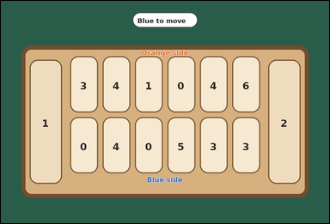 |  | task_games_mancala_move_count | capture_move_count | Use the visible Mancala board state in the image. It shows one visible Mancala board with six pits per side and two side stores. Determine the requested move value from the visible board. Blue controls the bottom row and the right store. On a move, choose one non-empty pit on Blue's row, pick up all stones from that pit, and place them one by one into the following pits moving counterclockwise, including Blue's store but skipping Orange's store. A move causes a capture if the last stone lands in an empty pit on Blue's row and the opposite Orange pit contains one or more stones; then Blue moves both that last stone and all stones from the opposite pit into Blue's store. What is the number of Blue pits that would trigger a capture? Answer with an integer. Return a valid JSON object with keys "evidence" and "answer" in that order. Evidence: set "evidence" to an array of bounding boxes [x1, y1, x2, y2] for every bottom-row pit that would cause a capture. Answer: set "answer" to the number of bottom-row pits that would cause a capture. Example JSON: {"evidence":[[140,236,242,360],[262,236,364,360]],"answer":2} | Use the visible Mancala board state in the image. It shows one visible Mancala board with six pits per side and two side stores. Determine the requested move value from the visible board. Blue controls the bottom row and the right store. On a move, choose one non-empty pit on Blue's row, pick up all stones from that pit, and place them one by one into the following pits moving counterclockwise, including Blue's store but skipping Orange's store. A move causes a capture if the last stone lands in an empty pit on Blue's row and the opposite Orange pit contains one or more stones; then Blue moves both that last stone and all stones from the opposite pit into Blue's store. What is the number of Blue pits that would trigger a capture? Answer with an integer. Return a valid JSON object with key "answer". Answer requirement: set "answer" to the number of bottom-row pits that would cause a capture. Example JSON: {"answer":2} | {"evidence": [], "answer": 0} | [] | integer | bbox_set | 1.2238166664E+15 | games/task_games_mancala_move_count/images/capture_move_count/0004.png | games/task_games_mancala_move_count/data/capture_move_count/0004.json
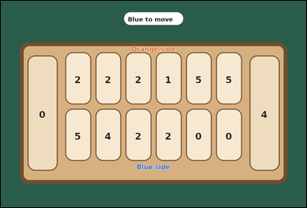 | 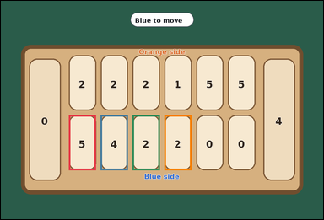 | task_games_mancala_move_count | capture_move_count | You are given a Mancala board image with one visible Mancala board with six pits per side and two side stores. Determine the requested move value from the visible board. Blue controls the bottom row and the right store. On a move, choose one non-empty pit on Blue's row, pick up all stones from that pit, and place them one by one into the following pits moving counterclockwise, including Blue's store but skipping Orange's store. A move causes a capture if the last stone lands in an empty pit on Blue's row and the opposite Orange pit contains one or more stones; then Blue moves both that last stone and all stones from the opposite pit into Blue's store. How many possible starting pits on Blue's row would capture the opposite stones? Answer with an integer. Return a valid JSON object with keys "evidence" and "answer" in that order. Evidence format: set "evidence" to an array of bounding boxes [x1, y1, x2, y2] for every bottom-row pit that would cause a capture. Answer requirement: set "answer" to the number of bottom-row pits that would cause a capture. Example JSON: {"evidence":[[140,236,242,360],[262,236,364,360]],"answer":2} | You are given a Mancala board image with one visible Mancala board with six pits per side and two side stores. Determine the requested move value from the visible board. Blue controls the bottom row and the right store. On a move, choose one non-empty pit on Blue's row, pick up all stones from that pit, and place them one by one into the following pits moving counterclockwise, including Blue's store but skipping Orange's store. A move causes a capture if the last stone lands in an empty pit on Blue's row and the opposite Orange pit contains one or more stones; then Blue moves both that last stone and all stones from the opposite pit into Blue's store. How many possible starting pits on Blue's row would capture the opposite stones? Answer with an integer. Return a valid JSON object with key "answer". Answer format: set "answer" to the number of bottom-row pits that would cause a capture. Example JSON: {"answer":2} | {"evidence": [[236.0, 397.0, 330.667, 589.0], [346.667, 397.0, 441.333, 589.0], [457.333, 397.0, 552.0, 589.0], [568.0, 397.0, 662.667, 589.0]], "answer": 4} | [[236.0, 397.0, 330.667, 589.0], [346.667, 397.0, 441.333, 589.0], [457.333, 397.0, 552.0, 589.0], [568.0, 397.0, 662.667, 589.0]] | integer | bbox_set | 1.5335840738E+15 | games/task_games_mancala_move_count/images/capture_move_count/0011.png | games/task_games_mancala_move_count/data/capture_move_count/0011.json
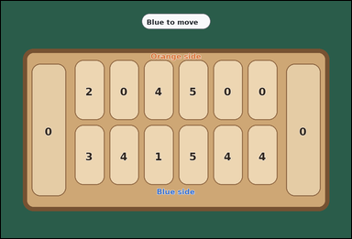 |  | task_games_mancala_move_count | capture_move_count | You are given a Mancala board image with one visible Mancala board with six pits per side and two side stores. Determine the requested move value from the visible board. Blue controls the bottom row and the right store. On a move, choose one non-empty pit on Blue's row, pick up all stones from that pit, and place them one by one into the following pits moving counterclockwise, including Blue's store but skipping Orange's store. A move causes a capture if the last stone lands in an empty pit on Blue's row and the opposite Orange pit contains one or more stones; then Blue moves both that last stone and all stones from the opposite pit into Blue's store. Determine how many bottom-row pits would cause Blue to capture stones immediately. Answer with an integer. Return a valid JSON object with keys "evidence" and "answer" in that order. Evidence field: set "evidence" to an array of bounding boxes [x1, y1, x2, y2] for every bottom-row pit that would cause a capture. Answer field: set "answer" to the number of bottom-row pits that would cause a capture. Example JSON: {"evidence":[[140,236,242,360],[262,236,364,360]],"answer":2} | You are given a Mancala board image with one visible Mancala board with six pits per side and two side stores. Determine the requested move value from the visible board. Blue controls the bottom row and the right store. On a move, choose one non-empty pit on Blue's row, pick up all stones from that pit, and place them one by one into the following pits moving counterclockwise, including Blue's store but skipping Orange's store. A move causes a capture if the last stone lands in an empty pit on Blue's row and the opposite Orange pit contains one or more stones; then Blue moves both that last stone and all stones from the opposite pit into Blue's store. Determine how many bottom-row pits would cause Blue to capture stones immediately. Answer with an integer. Return a valid JSON object with key "answer". Answer rule: set "answer" to the number of bottom-row pits that would cause a capture. Example JSON: {"answer":2} | {"evidence": [], "answer": 0} | [] | integer | bbox_set | 1.7263836562E+15 | games/task_games_mancala_move_count/images/capture_move_count/0019.png | games/task_games_mancala_move_count/data/capture_move_count/0019.json
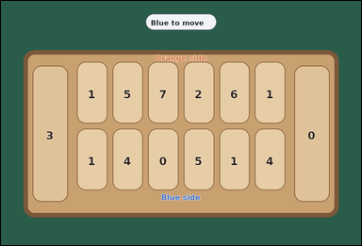 |  | task_games_mancala_move_count | capture_move_count | You are given a Mancala board image with one crowded visible Mancala board with six pits per side and two side stores. Determine the requested move value from the visible board. Blue controls the bottom row and the right store. On a move, choose one non-empty pit on Blue's row, pick up all stones from that pit, and place them one by one into the following pits moving counterclockwise, including Blue's store but skipping Orange's store. A move causes a capture if the last stone lands in an empty pit on Blue's row and the opposite Orange pit contains one or more stones; then Blue moves both that last stone and all stones from the opposite pit into Blue's store. Count the bottom-row pits that would make Blue capture stones on this move. Answer with an integer. Return a valid JSON object with keys "evidence" and "answer" in that order. Evidence rule: set "evidence" to an array of bounding boxes [x1, y1, x2, y2] for every bottom-row pit that would cause a capture. Answer rule: set "answer" to the number of bottom-row pits that would cause a capture. Example JSON: {"evidence":[[140,236,242,360],[262,236,364,360]],"answer":2} | You are given a Mancala board image with one crowded visible Mancala board with six pits per side and two side stores. Determine the requested move value from the visible board. Blue controls the bottom row and the right store. On a move, choose one non-empty pit on Blue's row, pick up all stones from that pit, and place them one by one into the following pits moving counterclockwise, including Blue's store but skipping Orange's store. A move causes a capture if the last stone lands in an empty pit on Blue's row and the opposite Orange pit contains one or more stones; then Blue moves both that last stone and all stones from the opposite pit into Blue's store. Count the bottom-row pits that would make Blue capture stones on this move. Answer with an integer. Return a valid JSON object with key "answer". Answer field: set "answer" to the number of bottom-row pits that would cause a capture. Example JSON: {"answer":2} | {"evidence": [], "answer": 0} | [] | integer | bbox_set | 2.5600715458E+15 | games/task_games_mancala_move_count/images/capture_move_count/0022.png | games/task_games_mancala_move_count/data/capture_move_count/0022.json
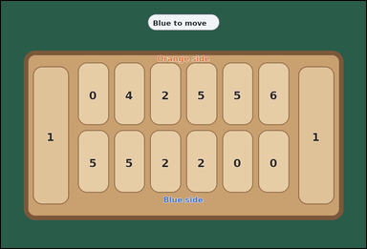 | 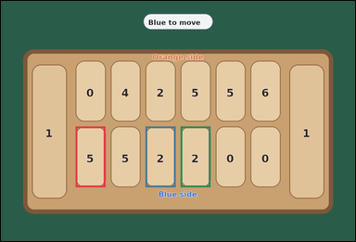 | task_games_mancala_move_count | capture_move_count | Use the visible Mancala board state in the image. It shows one crowded visible Mancala board with six pits per side and two side stores. Answer the question using the visible board state. Blue controls the bottom row and the right store. On a move, choose one non-empty pit on Blue's row, pick up all stones from that pit, and place them one by one into the following pits moving counterclockwise, including Blue's store but skipping Orange's store. A move causes a capture if the last stone lands in an empty pit on Blue's row and the opposite Orange pit contains one or more stones; then Blue moves both that last stone and all stones from the opposite pit into Blue's store. How many bottom-row pits would cause a capture? Answer with an integer. Return a valid JSON object with keys "evidence" and "answer" in that order. Evidence: set "evidence" to an array of bounding boxes [x1, y1, x2, y2] for every bottom-row pit that would cause a capture. Answer: set "answer" to the number of bottom-row pits that would cause a capture. Example JSON: {"evidence":[[140,236,242,360],[262,236,364,360]],"answer":2} | Use the visible Mancala board state in the image. It shows one crowded visible Mancala board with six pits per side and two side stores. Answer the question using the visible board state. Blue controls the bottom row and the right store. On a move, choose one non-empty pit on Blue's row, pick up all stones from that pit, and place them one by one into the following pits moving counterclockwise, including Blue's store but skipping Orange's store. A move causes a capture if the last stone lands in an empty pit on Blue's row and the opposite Orange pit contains one or more stones; then Blue moves both that last stone and all stones from the opposite pit into Blue's store. How many bottom-row pits would cause a capture? Answer with an integer. Return a valid JSON object with key "answer". Answer requirement: set "answer" to the number of bottom-row pits that would cause a capture. Example JSON: {"answer":2} | {"evidence": [[236.0, 397.0, 330.667, 589.0], [457.333, 397.0, 552.0, 589.0], [568.0, 397.0, 662.667, 589.0]], "answer": 3} | [[236.0, 397.0, 330.667, 589.0], [457.333, 397.0, 552.0, 589.0], [568.0, 397.0, 662.667, 589.0]] | integer | bbox_set | 3.0887966968E+15 | games/task_games_mancala_move_count/images/capture_move_count/0017.png | games/task_games_mancala_move_count/data/capture_move_count/0017.json
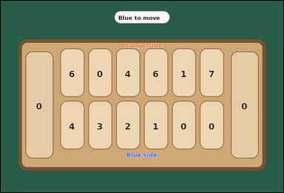 | 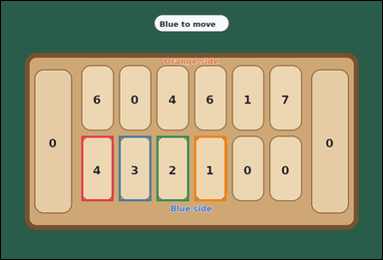 | task_games_mancala_move_count | capture_move_count | Work from the Mancala position shown in the image: one visible Mancala board with six pits per side and two side stores. Determine the requested move value from the visible board. Blue controls the bottom row and the right store. On a move, choose one non-empty pit on Blue's row, pick up all stones from that pit, and place them one by one into the following pits moving counterclockwise, including Blue's store but skipping Orange's store. A move causes a capture if the last stone lands in an empty pit on Blue's row and the opposite Orange pit contains one or more stones; then Blue moves both that last stone and all stones from the opposite pit into Blue's store. What is the number of Blue pits that would trigger a capture? Answer with an integer. Return a valid JSON object with keys "evidence" and "answer" in that order. Evidence: set "evidence" to an array of bounding boxes [x1, y1, x2, y2] for every bottom-row pit that would cause a capture. Answer: set "answer" to the number of bottom-row pits that would cause a capture. Example JSON: {"evidence":[[140,236,242,360],[262,236,364,360]],"answer":2} | Work from the Mancala position shown in the image: one visible Mancala board with six pits per side and two side stores. Determine the requested move value from the visible board. Blue controls the bottom row and the right store. On a move, choose one non-empty pit on Blue's row, pick up all stones from that pit, and place them one by one into the following pits moving counterclockwise, including Blue's store but skipping Orange's store. A move causes a capture if the last stone lands in an empty pit on Blue's row and the opposite Orange pit contains one or more stones; then Blue moves both that last stone and all stones from the opposite pit into Blue's store. What is the number of Blue pits that would trigger a capture? Answer with an integer. Return a valid JSON object with key "answer". Answer format: set "answer" to the number of bottom-row pits that would cause a capture. Example JSON: {"answer":2} | {"evidence": [[236.0, 397.0, 330.667, 589.0], [346.667, 397.0, 441.333, 589.0], [457.333, 397.0, 552.0, 589.0], [568.0, 397.0, 662.667, 589.0]], "answer": 4} | [[236.0, 397.0, 330.667, 589.0], [346.667, 397.0, 441.333, 589.0], [457.333, 397.0, 552.0, 589.0], [568.0, 397.0, 662.667, 589.0]] | integer | bbox_set | 3.4825847797E+15 | games/task_games_mancala_move_count/images/capture_move_count/0013.png | games/task_games_mancala_move_count/data/capture_move_count/0013.json
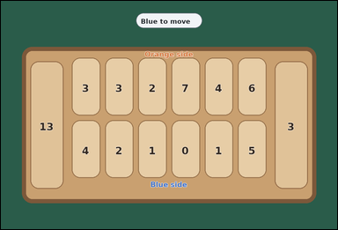 | 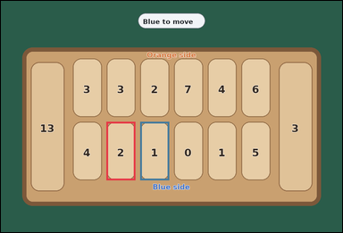 | task_games_mancala_move_count | capture_move_count | Use the visible Mancala board state in the image. It shows one crowded visible Mancala board with six pits per side and two side stores. Answer the question using the visible board state. Blue controls the bottom row and the right store. On a move, choose one non-empty pit on Blue's row, pick up all stones from that pit, and place them one by one into the following pits moving counterclockwise, including Blue's store but skipping Orange's store. A move causes a capture if the last stone lands in an empty pit on Blue's row and the opposite Orange pit contains one or more stones; then Blue moves both that last stone and all stones from the opposite pit into Blue's store. How many possible starting pits on Blue's row would capture the opposite stones? Answer with an integer. Return a valid JSON object with keys "evidence" and "answer" in that order. Evidence field: set "evidence" to an array of bounding boxes [x1, y1, x2, y2] for every bottom-row pit that would cause a capture. Answer field: set "answer" to the number of bottom-row pits that would cause a capture. Example JSON: {"evidence":[[140,236,242,360],[262,236,364,360]],"answer":2} | Use the visible Mancala board state in the image. It shows one crowded visible Mancala board with six pits per side and two side stores. Answer the question using the visible board state. Blue controls the bottom row and the right store. On a move, choose one non-empty pit on Blue's row, pick up all stones from that pit, and place them one by one into the following pits moving counterclockwise, including Blue's store but skipping Orange's store. A move causes a capture if the last stone lands in an empty pit on Blue's row and the opposite Orange pit contains one or more stones; then Blue moves both that last stone and all stones from the opposite pit into Blue's store. How many possible starting pits on Blue's row would capture the opposite stones? Answer with an integer. Return a valid JSON object with key "answer". Answer: set "answer" to the number of bottom-row pits that would cause a capture. Example JSON: {"answer":2} | {"evidence": [[346.667, 397.0, 441.333, 589.0], [457.333, 397.0, 552.0, 589.0]], "answer": 2} | [[346.667, 397.0, 441.333, 589.0], [457.333, 397.0, 552.0, 589.0]] | integer | bbox_set | 4.1303076188E+15 | games/task_games_mancala_move_count/images/capture_move_count/0023.png | games/task_games_mancala_move_count/data/capture_move_count/0023.json
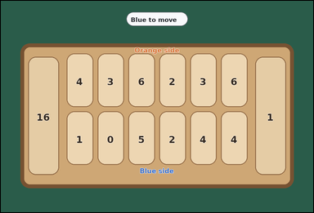 | 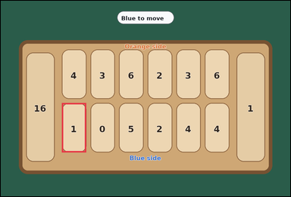 | task_games_mancala_move_count | capture_move_count | Look at the visible Mancala board in the image. It shows one crowded visible Mancala board with six pits per side and two side stores. Use the displayed Mancala state to determine the requested count. Blue controls the bottom row and the right store. On a move, choose one non-empty pit on Blue's row, pick up all stones from that pit, and place them one by one into the following pits moving counterclockwise, including Blue's store but skipping Orange's store. A move causes a capture if the last stone lands in an empty pit on Blue's row and the opposite Orange pit contains one or more stones; then Blue moves both that last stone and all stones from the opposite pit into Blue's store. Count the bottom-row pits that would make Blue capture stones on this move. Answer with an integer. Return a valid JSON object with keys "evidence" and "answer" in that order. Evidence field: set "evidence" to an array of bounding boxes [x1, y1, x2, y2] for every bottom-row pit that would cause a capture. Answer field: set "answer" to the number of bottom-row pits that would cause a capture. Example JSON: {"evidence":[[140,236,242,360],[262,236,364,360]],"answer":2} | Look at the visible Mancala board in the image. It shows one crowded visible Mancala board with six pits per side and two side stores. Use the displayed Mancala state to determine the requested count. Blue controls the bottom row and the right store. On a move, choose one non-empty pit on Blue's row, pick up all stones from that pit, and place them one by one into the following pits moving counterclockwise, including Blue's store but skipping Orange's store. A move causes a capture if the last stone lands in an empty pit on Blue's row and the opposite Orange pit contains one or more stones; then Blue moves both that last stone and all stones from the opposite pit into Blue's store. Count the bottom-row pits that would make Blue capture stones on this move. Answer with an integer. Return a valid JSON object with key "answer". Answer field: set "answer" to the number of bottom-row pits that would cause a capture. Example JSON: {"answer":2} | {"evidence": [[236.0, 397.0, 330.667, 589.0]], "answer": 1} | [[236.0, 397.0, 330.667, 589.0]] | integer | bbox_set | 4.3689527311E+15 | games/task_games_mancala_move_count/images/capture_move_count/0008.png | games/task_games_mancala_move_count/data/capture_move_count/0008.json
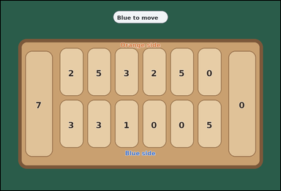 | 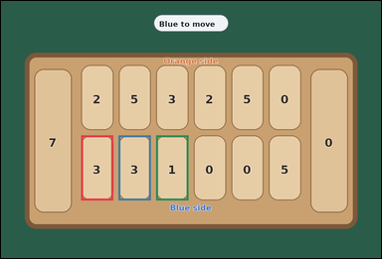 | task_games_mancala_move_count | capture_move_count | Work from the Mancala position shown in the image: one visible Mancala board with six pits per side and two side stores. Answer the question using the visible board state. Blue controls the bottom row and the right store. On a move, choose one non-empty pit on Blue's row, pick up all stones from that pit, and place them one by one into the following pits moving counterclockwise, including Blue's store but skipping Orange's store. A move causes a capture if the last stone lands in an empty pit on Blue's row and the opposite Orange pit contains one or more stones; then Blue moves both that last stone and all stones from the opposite pit into Blue's store. How many bottom-row pits would cause a capture? Answer with an integer. Return a valid JSON object with keys "evidence" and "answer" in that order. Evidence rule: set "evidence" to an array of bounding boxes [x1, y1, x2, y2] for every bottom-row pit that would cause a capture. Answer rule: set "answer" to the number of bottom-row pits that would cause a capture. Example JSON: {"evidence":[[140,236,242,360],[262,236,364,360]],"answer":2} | Work from the Mancala position shown in the image: one visible Mancala board with six pits per side and two side stores. Answer the question using the visible board state. Blue controls the bottom row and the right store. On a move, choose one non-empty pit on Blue's row, pick up all stones from that pit, and place them one by one into the following pits moving counterclockwise, including Blue's store but skipping Orange's store. A move causes a capture if the last stone lands in an empty pit on Blue's row and the opposite Orange pit contains one or more stones; then Blue moves both that last stone and all stones from the opposite pit into Blue's store. How many bottom-row pits would cause a capture? Answer with an integer. Return a valid JSON object with key "answer". Answer: set "answer" to the number of bottom-row pits that would cause a capture. Example JSON: {"answer":2} | {"evidence": [[236.0, 397.0, 330.667, 589.0], [346.667, 397.0, 441.333, 589.0], [457.333, 397.0, 552.0, 589.0]], "answer": 3} | [[236.0, 397.0, 330.667, 589.0], [346.667, 397.0, 441.333, 589.0], [457.333, 397.0, 552.0, 589.0]] | integer | bbox_set | 4.3750050174E+15 | games/task_games_mancala_move_count/images/capture_move_count/0020.png | games/task_games_mancala_move_count/data/capture_move_count/0020.json
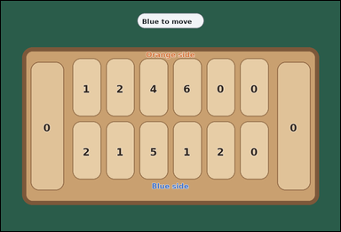 |  | task_games_mancala_move_count | capture_move_count | The image shows one visible Mancala board with six pits per side and two side stores. Read the board and determine the requested value. Blue controls the bottom row and the right store. On a move, choose one non-empty pit on Blue's row, pick up all stones from that pit, and place them one by one into the following pits moving counterclockwise, including Blue's store but skipping Orange's store. A move causes a capture if the last stone lands in an empty pit on Blue's row and the opposite Orange pit contains one or more stones; then Blue moves both that last stone and all stones from the opposite pit into Blue's store. How many bottom-row pits would cause a capture? Answer with an integer. Return a valid JSON object with keys "evidence" and "answer" in that order. Evidence requirement: set "evidence" to an array of bounding boxes [x1, y1, x2, y2] for every bottom-row pit that would cause a capture. Answer format: set "answer" to the number of bottom-row pits that would cause a capture. Example JSON: {"evidence":[[140,236,242,360],[262,236,364,360]],"answer":2} | The image shows one visible Mancala board with six pits per side and two side stores. Read the board and determine the requested value. Blue controls the bottom row and the right store. On a move, choose one non-empty pit on Blue's row, pick up all stones from that pit, and place them one by one into the following pits moving counterclockwise, including Blue's store but skipping Orange's store. A move causes a capture if the last stone lands in an empty pit on Blue's row and the opposite Orange pit contains one or more stones; then Blue moves both that last stone and all stones from the opposite pit into Blue's store. How many bottom-row pits would cause a capture? Answer with an integer. Return a valid JSON object with key "answer". Answer requirement: set "answer" to the number of bottom-row pits that would cause a capture. Example JSON: {"answer":2} | {"evidence": [], "answer": 0} | [] | integer | bbox_set | 4.4557750521E+15 | games/task_games_mancala_move_count/images/capture_move_count/0002.png | games/task_games_mancala_move_count/data/capture_move_count/0002.json
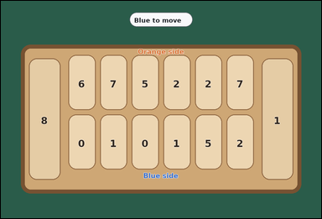 | 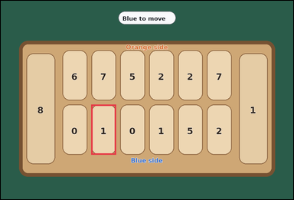 | task_games_mancala_move_count | capture_move_count | Look at the visible Mancala board in the image. It shows one crowded visible Mancala board with six pits per side and two side stores. Answer the question using the visible board state. Blue controls the bottom row and the right store. On a move, choose one non-empty pit on Blue's row, pick up all stones from that pit, and place them one by one into the following pits moving counterclockwise, including Blue's store but skipping Orange's store. A move causes a capture if the last stone lands in an empty pit on Blue's row and the opposite Orange pit contains one or more stones; then Blue moves both that last stone and all stones from the opposite pit into Blue's store. How many possible starting pits on Blue's row would capture the opposite stones? Answer with an integer. Return a valid JSON object with keys "evidence" and "answer" in that order. Evidence requirement: set "evidence" to an array of bounding boxes [x1, y1, x2, y2] for every bottom-row pit that would cause a capture. Answer format: set "answer" to the number of bottom-row pits that would cause a capture. Example JSON: {"evidence":[[140,236,242,360],[262,236,364,360]],"answer":2} | Look at the visible Mancala board in the image. It shows one crowded visible Mancala board with six pits per side and two side stores. Answer the question using the visible board state. Blue controls the bottom row and the right store. On a move, choose one non-empty pit on Blue's row, pick up all stones from that pit, and place them one by one into the following pits moving counterclockwise, including Blue's store but skipping Orange's store. A move causes a capture if the last stone lands in an empty pit on Blue's row and the opposite Orange pit contains one or more stones; then Blue moves both that last stone and all stones from the opposite pit into Blue's store. How many possible starting pits on Blue's row would capture the opposite stones? Answer with an integer. Return a valid JSON object with key "answer". Answer format: set "answer" to the number of bottom-row pits that would cause a capture. Example JSON: {"answer":2} | {"evidence": [[346.667, 397.0, 441.333, 589.0]], "answer": 1} | [[346.667, 397.0, 441.333, 589.0]] | integer | bbox_set | 4.7079322675E+15 | games/task_games_mancala_move_count/images/capture_move_count/0021.png | games/task_games_mancala_move_count/data/capture_move_count/0021.json
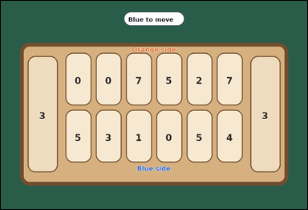 | 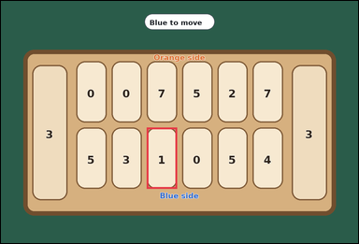 | task_games_mancala_move_count | capture_move_count | Look at the visible Mancala board in the image. It shows one crowded visible Mancala board with six pits per side and two side stores. Answer the question using the visible board state. Blue controls the bottom row and the right store. On a move, choose one non-empty pit on Blue's row, pick up all stones from that pit, and place them one by one into the following pits moving counterclockwise, including Blue's store but skipping Orange's store. A move causes a capture if the last stone lands in an empty pit on Blue's row and the opposite Orange pit contains one or more stones; then Blue moves both that last stone and all stones from the opposite pit into Blue's store. Count the bottom-row pits that would make Blue capture stones on this move. Answer with an integer. Return a valid JSON object with keys "evidence" and "answer" in that order. Evidence requirement: set "evidence" to an array of bounding boxes [x1, y1, x2, y2] for every bottom-row pit that would cause a capture. Answer format: set "answer" to the number of bottom-row pits that would cause a capture. Example JSON: {"evidence":[[140,236,242,360],[262,236,364,360]],"answer":2} | Look at the visible Mancala board in the image. It shows one crowded visible Mancala board with six pits per side and two side stores. Answer the question using the visible board state. Blue controls the bottom row and the right store. On a move, choose one non-empty pit on Blue's row, pick up all stones from that pit, and place them one by one into the following pits moving counterclockwise, including Blue's store but skipping Orange's store. A move causes a capture if the last stone lands in an empty pit on Blue's row and the opposite Orange pit contains one or more stones; then Blue moves both that last stone and all stones from the opposite pit into Blue's store. Count the bottom-row pits that would make Blue capture stones on this move. Answer with an integer. Return a valid JSON object with key "answer". Answer format: set "answer" to the number of bottom-row pits that would cause a capture. Example JSON: {"answer":2} | {"evidence": [[457.333, 397.0, 552.0, 589.0]], "answer": 1} | [[457.333, 397.0, 552.0, 589.0]] | integer | bbox_set | 4.8113116544E+15 | games/task_games_mancala_move_count/images/capture_move_count/0016.png | games/task_games_mancala_move_count/data/capture_move_count/0016.json
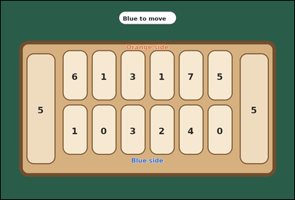 | 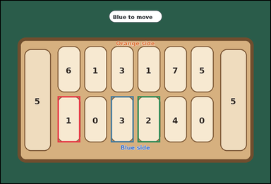 | task_games_mancala_move_count | capture_move_count | Use the visible Mancala board state in the image. It shows one crowded visible Mancala board with six pits per side and two side stores. Read the board and determine the requested value. Blue controls the bottom row and the right store. On a move, choose one non-empty pit on Blue's row, pick up all stones from that pit, and place them one by one into the following pits moving counterclockwise, including Blue's store but skipping Orange's store. A move causes a capture if the last stone lands in an empty pit on Blue's row and the opposite Orange pit contains one or more stones; then Blue moves both that last stone and all stones from the opposite pit into Blue's store. Determine how many bottom-row pits would cause Blue to capture stones immediately. Answer with an integer. Return a valid JSON object with keys "evidence" and "answer" in that order. Evidence: set "evidence" to an array of bounding boxes [x1, y1, x2, y2] for every bottom-row pit that would cause a capture. Answer: set "answer" to the number of bottom-row pits that would cause a capture. Example JSON: {"evidence":[[140,236,242,360],[262,236,364,360]],"answer":2} | Use the visible Mancala board state in the image. It shows one crowded visible Mancala board with six pits per side and two side stores. Read the board and determine the requested value. Blue controls the bottom row and the right store. On a move, choose one non-empty pit on Blue's row, pick up all stones from that pit, and place them one by one into the following pits moving counterclockwise, including Blue's store but skipping Orange's store. A move causes a capture if the last stone lands in an empty pit on Blue's row and the opposite Orange pit contains one or more stones; then Blue moves both that last stone and all stones from the opposite pit into Blue's store. Determine how many bottom-row pits would cause Blue to capture stones immediately. Answer with an integer. Return a valid JSON object with key "answer". Answer requirement: set "answer" to the number of bottom-row pits that would cause a capture. Example JSON: {"answer":2} | {"evidence": [[236.0, 397.0, 330.667, 589.0], [457.333, 397.0, 552.0, 589.0], [568.0, 397.0, 662.667, 589.0]], "answer": 3} | [[236.0, 397.0, 330.667, 589.0], [457.333, 397.0, 552.0, 589.0], [568.0, 397.0, 662.667, 589.0]] | integer | bbox_set | 4.8672708087E+15 | games/task_games_mancala_move_count/images/capture_move_count/0005.png | games/task_games_mancala_move_count/data/capture_move_count/0005.json
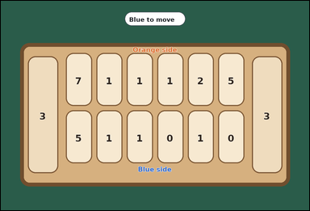 | 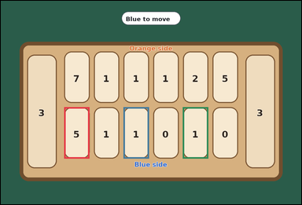 | task_games_mancala_move_count | capture_move_count | Work from the Mancala position shown in the image: one visible Mancala board with six pits per side and two side stores. Read the board and determine the requested value. Blue controls the bottom row and the right store. On a move, choose one non-empty pit on Blue's row, pick up all stones from that pit, and place them one by one into the following pits moving counterclockwise, including Blue's store but skipping Orange's store. A move causes a capture if the last stone lands in an empty pit on Blue's row and the opposite Orange pit contains one or more stones; then Blue moves both that last stone and all stones from the opposite pit into Blue's store. Count the bottom-row pits that would make Blue capture stones on this move. Answer with an integer. Return a valid JSON object with keys "evidence" and "answer" in that order. Evidence requirement: set "evidence" to an array of bounding boxes [x1, y1, x2, y2] for every bottom-row pit that would cause a capture. Answer format: set "answer" to the number of bottom-row pits that would cause a capture. Example JSON: {"evidence":[[140,236,242,360],[262,236,364,360]],"answer":2} | Work from the Mancala position shown in the image: one visible Mancala board with six pits per side and two side stores. Read the board and determine the requested value. Blue controls the bottom row and the right store. On a move, choose one non-empty pit on Blue's row, pick up all stones from that pit, and place them one by one into the following pits moving counterclockwise, including Blue's store but skipping Orange's store. A move causes a capture if the last stone lands in an empty pit on Blue's row and the opposite Orange pit contains one or more stones; then Blue moves both that last stone and all stones from the opposite pit into Blue's store. Count the bottom-row pits that would make Blue capture stones on this move. Answer with an integer. Return a valid JSON object with key "answer". Answer requirement: set "answer" to the number of bottom-row pits that would cause a capture. Example JSON: {"answer":2} | {"evidence": [[236.0, 397.0, 330.667, 589.0], [457.333, 397.0, 552.0, 589.0], [678.667, 397.0, 773.333, 589.0]], "answer": 3} | [[236.0, 397.0, 330.667, 589.0], [457.333, 397.0, 552.0, 589.0], [678.667, 397.0, 773.333, 589.0]] | integer | bbox_set | 5.0254347376E+15 | games/task_games_mancala_move_count/images/capture_move_count/0018.png | games/task_games_mancala_move_count/data/capture_move_count/0018.json
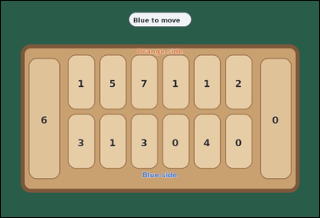 | 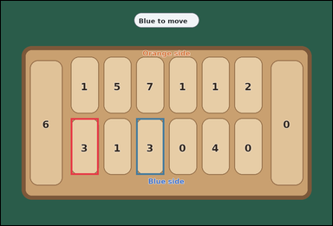 | task_games_mancala_move_count | capture_move_count | Use the visible Mancala board state in the image. It shows one visible Mancala board with six pits per side and two side stores. Determine the requested move value from the visible board. Blue controls the bottom row and the right store. On a move, choose one non-empty pit on Blue's row, pick up all stones from that pit, and place them one by one into the following pits moving counterclockwise, including Blue's store but skipping Orange's store. A move causes a capture if the last stone lands in an empty pit on Blue's row and the opposite Orange pit contains one or more stones; then Blue moves both that last stone and all stones from the opposite pit into Blue's store. What is the number of Blue pits that would trigger a capture? Answer with an integer. Return a valid JSON object with keys "evidence" and "answer" in that order. Evidence requirement: set "evidence" to an array of bounding boxes [x1, y1, x2, y2] for every bottom-row pit that would cause a capture. Answer format: set "answer" to the number of bottom-row pits that would cause a capture. Example JSON: {"evidence":[[140,236,242,360],[262,236,364,360]],"answer":2} | Use the visible Mancala board state in the image. It shows one visible Mancala board with six pits per side and two side stores. Determine the requested move value from the visible board. Blue controls the bottom row and the right store. On a move, choose one non-empty pit on Blue's row, pick up all stones from that pit, and place them one by one into the following pits moving counterclockwise, including Blue's store but skipping Orange's store. A move causes a capture if the last stone lands in an empty pit on Blue's row and the opposite Orange pit contains one or more stones; then Blue moves both that last stone and all stones from the opposite pit into Blue's store. What is the number of Blue pits that would trigger a capture? Answer with an integer. Return a valid JSON object with key "answer". Answer field: set "answer" to the number of bottom-row pits that would cause a capture. Example JSON: {"answer":2} | {"evidence": [[236.0, 397.0, 330.667, 589.0], [457.333, 397.0, 552.0, 589.0]], "answer": 2} | [[236.0, 397.0, 330.667, 589.0], [457.333, 397.0, 552.0, 589.0]] | integer | bbox_set | 5.5341234619E+15 | games/task_games_mancala_move_count/images/capture_move_count/0001.png | games/task_games_mancala_move_count/data/capture_move_count/0001.json
 |  | task_games_mancala_move_count | capture_move_count | Work from the Mancala position shown in the image: one visible Mancala board with six pits per side and two side stores. Work from the shown Mancala position to answer the question. Blue controls the bottom row and the right store. On a move, choose one non-empty pit on Blue's row, pick up all stones from that pit, and place them one by one into the following pits moving counterclockwise, including Blue's store but skipping Orange's store. A move causes a capture if the last stone lands in an empty pit on Blue's row and the opposite Orange pit contains one or more stones; then Blue moves both that last stone and all stones from the opposite pit into Blue's store. How many possible starting pits on Blue's row would capture the opposite stones? Answer with an integer. Return a valid JSON object with keys "evidence" and "answer" in that order. Evidence: set "evidence" to an array of bounding boxes [x1, y1, x2, y2] for every bottom-row pit that would cause a capture. Answer: set "answer" to the number of bottom-row pits that would cause a capture. Example JSON: {"evidence":[[140,236,242,360],[262,236,364,360]],"answer":2} | Work from the Mancala position shown in the image: one visible Mancala board with six pits per side and two side stores. Work from the shown Mancala position to answer the question. Blue controls the bottom row and the right store. On a move, choose one non-empty pit on Blue's row, pick up all stones from that pit, and place them one by one into the following pits moving counterclockwise, including Blue's store but skipping Orange's store. A move causes a capture if the last stone lands in an empty pit on Blue's row and the opposite Orange pit contains one or more stones; then Blue moves both that last stone and all stones from the opposite pit into Blue's store. How many possible starting pits on Blue's row would capture the opposite stones? Answer with an integer. Return a valid JSON object with key "answer". Answer requirement: set "answer" to the number of bottom-row pits that would cause a capture. Example JSON: {"answer":2} | {"evidence": [], "answer": 0} | [] | integer | bbox_set | 5.6740335721E+15 | games/task_games_mancala_move_count/images/capture_move_count/0000.png | games/task_games_mancala_move_count/data/capture_move_count/0000.json
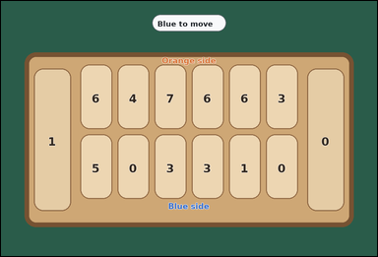 | 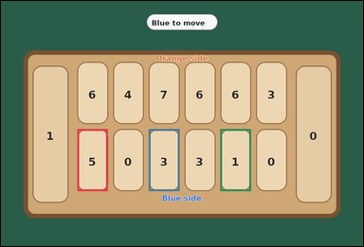 | task_games_mancala_move_count | capture_move_count | Use the visible Mancala board state in the image. It shows one crowded visible Mancala board with six pits per side and two side stores. Read the board and determine the requested value. Blue controls the bottom row and the right store. On a move, choose one non-empty pit on Blue's row, pick up all stones from that pit, and place them one by one into the following pits moving counterclockwise, including Blue's store but skipping Orange's store. A move causes a capture if the last stone lands in an empty pit on Blue's row and the opposite Orange pit contains one or more stones; then Blue moves both that last stone and all stones from the opposite pit into Blue's store. Determine how many bottom-row pits would cause Blue to capture stones immediately. Answer with an integer. Return a valid JSON object with keys "evidence" and "answer" in that order. Evidence rule: set "evidence" to an array of bounding boxes [x1, y1, x2, y2] for every bottom-row pit that would cause a capture. Answer rule: set "answer" to the number of bottom-row pits that would cause a capture. Example JSON: {"evidence":[[140,236,242,360],[262,236,364,360]],"answer":2} | Use the visible Mancala board state in the image. It shows one crowded visible Mancala board with six pits per side and two side stores. Read the board and determine the requested value. Blue controls the bottom row and the right store. On a move, choose one non-empty pit on Blue's row, pick up all stones from that pit, and place them one by one into the following pits moving counterclockwise, including Blue's store but skipping Orange's store. A move causes a capture if the last stone lands in an empty pit on Blue's row and the opposite Orange pit contains one or more stones; then Blue moves both that last stone and all stones from the opposite pit into Blue's store. Determine how many bottom-row pits would cause Blue to capture stones immediately. Answer with an integer. Return a valid JSON object with key "answer". Answer requirement: set "answer" to the number of bottom-row pits that would cause a capture. Example JSON: {"answer":2} | {"evidence": [[236.0, 397.0, 330.667, 589.0], [457.333, 397.0, 552.0, 589.0], [678.667, 397.0, 773.333, 589.0]], "answer": 3} | [[236.0, 397.0, 330.667, 589.0], [457.333, 397.0, 552.0, 589.0], [678.667, 397.0, 773.333, 589.0]] | integer | bbox_set | 5.9807162504E+15 | games/task_games_mancala_move_count/images/capture_move_count/0003.png | games/task_games_mancala_move_count/data/capture_move_count/0003.json
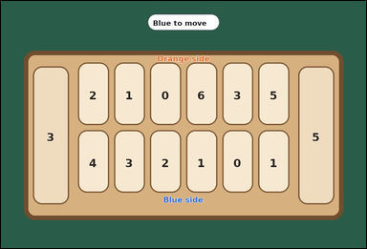 | 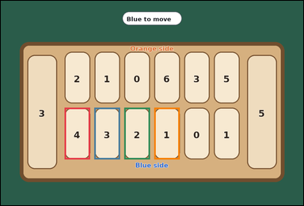 | task_games_mancala_move_count | capture_move_count | Use the visible Mancala board state in the image. It shows one visible Mancala board with six pits per side and two side stores. Answer the question using the visible board state. Blue controls the bottom row and the right store. On a move, choose one non-empty pit on Blue's row, pick up all stones from that pit, and place them one by one into the following pits moving counterclockwise, including Blue's store but skipping Orange's store. A move causes a capture if the last stone lands in an empty pit on Blue's row and the opposite Orange pit contains one or more stones; then Blue moves both that last stone and all stones from the opposite pit into Blue's store. What is the number of Blue pits that would trigger a capture? Answer with an integer. Return a valid JSON object with keys "evidence" and "answer" in that order. Evidence format: set "evidence" to an array of bounding boxes [x1, y1, x2, y2] for every bottom-row pit that would cause a capture. Answer requirement: set "answer" to the number of bottom-row pits that would cause a capture. Example JSON: {"evidence":[[140,236,242,360],[262,236,364,360]],"answer":2} | Use the visible Mancala board state in the image. It shows one visible Mancala board with six pits per side and two side stores. Answer the question using the visible board state. Blue controls the bottom row and the right store. On a move, choose one non-empty pit on Blue's row, pick up all stones from that pit, and place them one by one into the following pits moving counterclockwise, including Blue's store but skipping Orange's store. A move causes a capture if the last stone lands in an empty pit on Blue's row and the opposite Orange pit contains one or more stones; then Blue moves both that last stone and all stones from the opposite pit into Blue's store. What is the number of Blue pits that would trigger a capture? Answer with an integer. Return a valid JSON object with key "answer". Answer: set "answer" to the number of bottom-row pits that would cause a capture. Example JSON: {"answer":2} | {"evidence": [[236.0, 397.0, 330.667, 589.0], [346.667, 397.0, 441.333, 589.0], [457.333, 397.0, 552.0, 589.0], [568.0, 397.0, 662.667, 589.0]], "answer": 4} | [[236.0, 397.0, 330.667, 589.0], [346.667, 397.0, 441.333, 589.0], [457.333, 397.0, 552.0, 589.0], [568.0, 397.0, 662.667, 589.0]] | integer | bbox_set | 6.0070287563E+15 | games/task_games_mancala_move_count/images/capture_move_count/0014.png | games/task_games_mancala_move_count/data/capture_move_count/0014.json
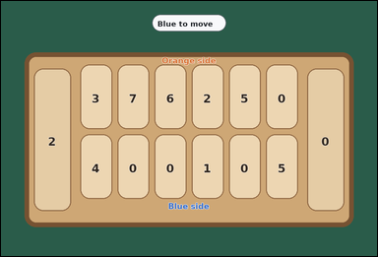 | 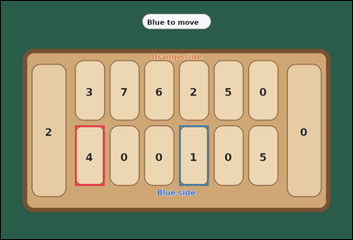 | task_games_mancala_move_count | capture_move_count | Look at the visible Mancala board in the image. It shows one visible Mancala board with six pits per side and two side stores. Use the displayed Mancala state to determine the requested count. Blue controls the bottom row and the right store. On a move, choose one non-empty pit on Blue's row, pick up all stones from that pit, and place them one by one into the following pits moving counterclockwise, including Blue's store but skipping Orange's store. A move causes a capture if the last stone lands in an empty pit on Blue's row and the opposite Orange pit contains one or more stones; then Blue moves both that last stone and all stones from the opposite pit into Blue's store. What is the number of Blue pits that would trigger a capture? Answer with an integer. Return a valid JSON object with keys "evidence" and "answer" in that order. Evidence requirement: set "evidence" to an array of bounding boxes [x1, y1, x2, y2] for every bottom-row pit that would cause a capture. Answer format: set "answer" to the number of bottom-row pits that would cause a capture. Example JSON: {"evidence":[[140,236,242,360],[262,236,364,360]],"answer":2} | Look at the visible Mancala board in the image. It shows one visible Mancala board with six pits per side and two side stores. Use the displayed Mancala state to determine the requested count. Blue controls the bottom row and the right store. On a move, choose one non-empty pit on Blue's row, pick up all stones from that pit, and place them one by one into the following pits moving counterclockwise, including Blue's store but skipping Orange's store. A move causes a capture if the last stone lands in an empty pit on Blue's row and the opposite Orange pit contains one or more stones; then Blue moves both that last stone and all stones from the opposite pit into Blue's store. What is the number of Blue pits that would trigger a capture? Answer with an integer. Return a valid JSON object with key "answer". Answer: set "answer" to the number of bottom-row pits that would cause a capture. Example JSON: {"answer":2} | {"evidence": [[236.0, 397.0, 330.667, 589.0], [568.0, 397.0, 662.667, 589.0]], "answer": 2} | [[236.0, 397.0, 330.667, 589.0], [568.0, 397.0, 662.667, 589.0]] | integer | bbox_set | 6.0309391618E+15 | games/task_games_mancala_move_count/images/capture_move_count/0009.png | games/task_games_mancala_move_count/data/capture_move_count/0009.json
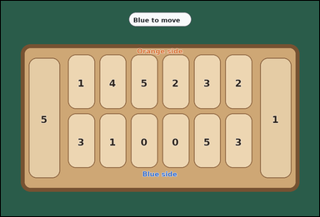 | 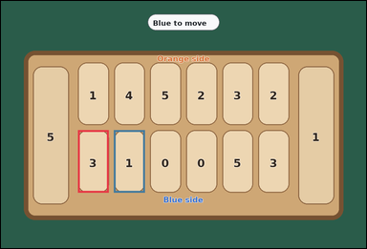 | task_games_mancala_move_count | capture_move_count | You are given a Mancala board image with one visible Mancala board with six pits per side and two side stores. Determine the requested move value from the visible board. Blue controls the bottom row and the right store. On a move, choose one non-empty pit on Blue's row, pick up all stones from that pit, and place them one by one into the following pits moving counterclockwise, including Blue's store but skipping Orange's store. A move causes a capture if the last stone lands in an empty pit on Blue's row and the opposite Orange pit contains one or more stones; then Blue moves both that last stone and all stones from the opposite pit into Blue's store. Count the bottom-row pits that would make Blue capture stones on this move. Answer with an integer. Return a valid JSON object with keys "evidence" and "answer" in that order. Evidence requirement: set "evidence" to an array of bounding boxes [x1, y1, x2, y2] for every bottom-row pit that would cause a capture. Answer format: set "answer" to the number of bottom-row pits that would cause a capture. Example JSON: {"evidence":[[140,236,242,360],[262,236,364,360]],"answer":2} | You are given a Mancala board image with one visible Mancala board with six pits per side and two side stores. Determine the requested move value from the visible board. Blue controls the bottom row and the right store. On a move, choose one non-empty pit on Blue's row, pick up all stones from that pit, and place them one by one into the following pits moving counterclockwise, including Blue's store but skipping Orange's store. A move causes a capture if the last stone lands in an empty pit on Blue's row and the opposite Orange pit contains one or more stones; then Blue moves both that last stone and all stones from the opposite pit into Blue's store. Count the bottom-row pits that would make Blue capture stones on this move. Answer with an integer. Return a valid JSON object with key "answer". Answer field: set "answer" to the number of bottom-row pits that would cause a capture. Example JSON: {"answer":2} | {"evidence": [[236.0, 397.0, 330.667, 589.0], [346.667, 397.0, 441.333, 589.0]], "answer": 2} | [[236.0, 397.0, 330.667, 589.0], [346.667, 397.0, 441.333, 589.0]] | integer | bbox_set | 6.6981593481E+15 | games/task_games_mancala_move_count/images/capture_move_count/0024.png | games/task_games_mancala_move_count/data/capture_move_count/0024.json
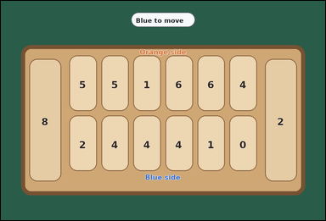 | 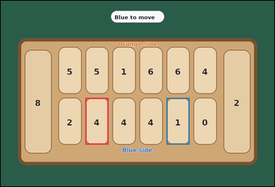 | task_games_mancala_move_count | capture_move_count | The image shows one crowded visible Mancala board with six pits per side and two side stores. Determine the requested move value from the visible board. Blue controls the bottom row and the right store. On a move, choose one non-empty pit on Blue's row, pick up all stones from that pit, and place them one by one into the following pits moving counterclockwise, including Blue's store but skipping Orange's store. A move causes a capture if the last stone lands in an empty pit on Blue's row and the opposite Orange pit contains one or more stones; then Blue moves both that last stone and all stones from the opposite pit into Blue's store. Count the bottom-row pits that would make Blue capture stones on this move. Answer with an integer. Return a valid JSON object with keys "evidence" and "answer" in that order. Evidence: set "evidence" to an array of bounding boxes [x1, y1, x2, y2] for every bottom-row pit that would cause a capture. Answer: set "answer" to the number of bottom-row pits that would cause a capture. Example JSON: {"evidence":[[140,236,242,360],[262,236,364,360]],"answer":2} | The image shows one crowded visible Mancala board with six pits per side and two side stores. Determine the requested move value from the visible board. Blue controls the bottom row and the right store. On a move, choose one non-empty pit on Blue's row, pick up all stones from that pit, and place them one by one into the following pits moving counterclockwise, including Blue's store but skipping Orange's store. A move causes a capture if the last stone lands in an empty pit on Blue's row and the opposite Orange pit contains one or more stones; then Blue moves both that last stone and all stones from the opposite pit into Blue's store. Count the bottom-row pits that would make Blue capture stones on this move. Answer with an integer. Return a valid JSON object with key "answer". Answer field: set "answer" to the number of bottom-row pits that would cause a capture. Example JSON: {"answer":2} | {"evidence": [[346.667, 397.0, 441.333, 589.0], [678.667, 397.0, 773.333, 589.0]], "answer": 2} | [[346.667, 397.0, 441.333, 589.0], [678.667, 397.0, 773.333, 589.0]] | integer | bbox_set | 6.8135884122E+15 | games/task_games_mancala_move_count/images/capture_move_count/0007.png | games/task_games_mancala_move_count/data/capture_move_count/0007.json
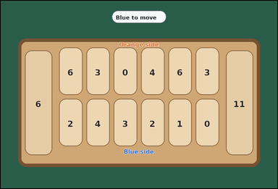 | 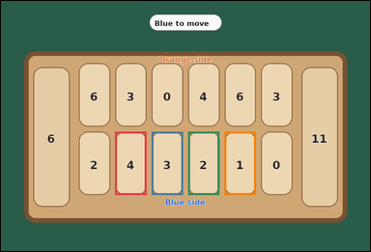 | task_games_mancala_move_count | capture_move_count | Look at the visible Mancala board in the image. It shows one crowded visible Mancala board with six pits per side and two side stores. Answer the question using the visible board state. Blue controls the bottom row and the right store. On a move, choose one non-empty pit on Blue's row, pick up all stones from that pit, and place them one by one into the following pits moving counterclockwise, including Blue's store but skipping Orange's store. A move causes a capture if the last stone lands in an empty pit on Blue's row and the opposite Orange pit contains one or more stones; then Blue moves both that last stone and all stones from the opposite pit into Blue's store. How many bottom-row pits would cause a capture? Answer with an integer. Return a valid JSON object with keys "evidence" and "answer" in that order. Evidence: set "evidence" to an array of bounding boxes [x1, y1, x2, y2] for every bottom-row pit that would cause a capture. Answer: set "answer" to the number of bottom-row pits that would cause a capture. Example JSON: {"evidence":[[140,236,242,360],[262,236,364,360]],"answer":2} | Look at the visible Mancala board in the image. It shows one crowded visible Mancala board with six pits per side and two side stores. Answer the question using the visible board state. Blue controls the bottom row and the right store. On a move, choose one non-empty pit on Blue's row, pick up all stones from that pit, and place them one by one into the following pits moving counterclockwise, including Blue's store but skipping Orange's store. A move causes a capture if the last stone lands in an empty pit on Blue's row and the opposite Orange pit contains one or more stones; then Blue moves both that last stone and all stones from the opposite pit into Blue's store. How many bottom-row pits would cause a capture? Answer with an integer. Return a valid JSON object with key "answer". Answer field: set "answer" to the number of bottom-row pits that would cause a capture. Example JSON: {"answer":2} | {"evidence": [[346.667, 397.0, 441.333, 589.0], [457.333, 397.0, 552.0, 589.0], [568.0, 397.0, 662.667, 589.0], [678.667, 397.0, 773.333, 589.0]], "answer": 4} | [[346.667, 397.0, 441.333, 589.0], [457.333, 397.0, 552.0, 589.0], [568.0, 397.0, 662.667, 589.0], [678.667, 397.0, 773.333, 589.0]] | integer | bbox_set | 7.5186162362E+15 | games/task_games_mancala_move_count/images/capture_move_count/0010.png | games/task_games_mancala_move_count/data/capture_move_count/0010.json
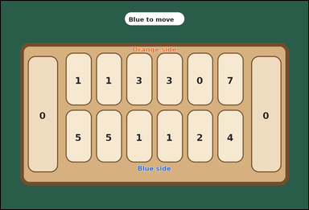 |  | task_games_mancala_move_count | capture_move_count | Look at the visible Mancala board in the image. It shows one visible Mancala board with six pits per side and two side stores. Determine the requested move value from the visible board. Blue controls the bottom row and the right store. On a move, choose one non-empty pit on Blue's row, pick up all stones from that pit, and place them one by one into the following pits moving counterclockwise, including Blue's store but skipping Orange's store. A move causes a capture if the last stone lands in an empty pit on Blue's row and the opposite Orange pit contains one or more stones; then Blue moves both that last stone and all stones from the opposite pit into Blue's store. What is the number of Blue pits that would trigger a capture? Answer with an integer. Return a valid JSON object with keys "evidence" and "answer" in that order. Evidence format: set "evidence" to an array of bounding boxes [x1, y1, x2, y2] for every bottom-row pit that would cause a capture. Answer requirement: set "answer" to the number of bottom-row pits that would cause a capture. Example JSON: {"evidence":[[140,236,242,360],[262,236,364,360]],"answer":2} | Look at the visible Mancala board in the image. It shows one visible Mancala board with six pits per side and two side stores. Determine the requested move value from the visible board. Blue controls the bottom row and the right store. On a move, choose one non-empty pit on Blue's row, pick up all stones from that pit, and place them one by one into the following pits moving counterclockwise, including Blue's store but skipping Orange's store. A move causes a capture if the last stone lands in an empty pit on Blue's row and the opposite Orange pit contains one or more stones; then Blue moves both that last stone and all stones from the opposite pit into Blue's store. What is the number of Blue pits that would trigger a capture? Answer with an integer. Return a valid JSON object with key "answer". Answer: set "answer" to the number of bottom-row pits that would cause a capture. Example JSON: {"answer":2} | {"evidence": [], "answer": 0} | [] | integer | bbox_set | 8.5465040531E+15 | games/task_games_mancala_move_count/images/capture_move_count/0015.png | games/task_games_mancala_move_count/data/capture_move_count/0015.json
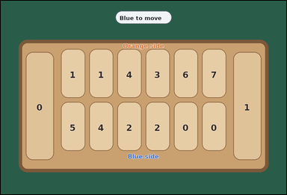 | 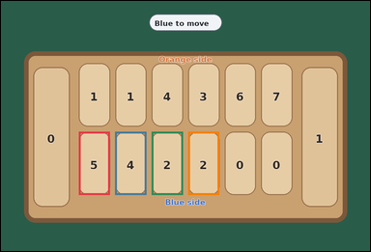 | task_games_mancala_move_count | capture_move_count | Work from the Mancala position shown in the image: one visible Mancala board with six pits per side and two side stores. Work from the shown Mancala position to answer the question. Blue controls the bottom row and the right store. On a move, choose one non-empty pit on Blue's row, pick up all stones from that pit, and place them one by one into the following pits moving counterclockwise, including Blue's store but skipping Orange's store. A move causes a capture if the last stone lands in an empty pit on Blue's row and the opposite Orange pit contains one or more stones; then Blue moves both that last stone and all stones from the opposite pit into Blue's store. Determine how many bottom-row pits would cause Blue to capture stones immediately. Answer with an integer. Return a valid JSON object with keys "evidence" and "answer" in that order. Evidence rule: set "evidence" to an array of bounding boxes [x1, y1, x2, y2] for every bottom-row pit that would cause a capture. Answer rule: set "answer" to the number of bottom-row pits that would cause a capture. Example JSON: {"evidence":[[140,236,242,360],[262,236,364,360]],"answer":2} | Work from the Mancala position shown in the image: one visible Mancala board with six pits per side and two side stores. Work from the shown Mancala position to answer the question. Blue controls the bottom row and the right store. On a move, choose one non-empty pit on Blue's row, pick up all stones from that pit, and place them one by one into the following pits moving counterclockwise, including Blue's store but skipping Orange's store. A move causes a capture if the last stone lands in an empty pit on Blue's row and the opposite Orange pit contains one or more stones; then Blue moves both that last stone and all stones from the opposite pit into Blue's store. Determine how many bottom-row pits would cause Blue to capture stones immediately. Answer with an integer. Return a valid JSON object with key "answer". Answer requirement: set "answer" to the number of bottom-row pits that would cause a capture. Example JSON: {"answer":2} | {"evidence": [[236.0, 397.0, 330.667, 589.0], [346.667, 397.0, 441.333, 589.0], [457.333, 397.0, 552.0, 589.0], [568.0, 397.0, 662.667, 589.0]], "answer": 4} | [[236.0, 397.0, 330.667, 589.0], [346.667, 397.0, 441.333, 589.0], [457.333, 397.0, 552.0, 589.0], [568.0, 397.0, 662.667, 589.0]] | integer | bbox_set | 8.6257325077E+15 | games/task_games_mancala_move_count/images/capture_move_count/0006.png | games/task_games_mancala_move_count/data/capture_move_count/0006.json

extra_turn_move_count
image | evidence_image | task | task_variant | prompt | prompt_answer_only | answer | answer_evidence | answer_type | evidence_type | instance_seed | image_path | data_path
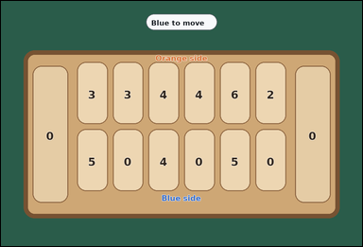 | 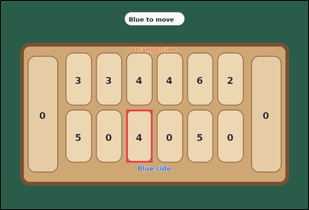 | task_games_mancala_move_count | extra_turn_move_count | You are given a Mancala board image with one visible Mancala board with six pits per side and two side stores. Work from the shown Mancala position to answer the question. Blue controls the bottom row and the right store. On a move, choose one non-empty pit on Blue's row, pick up all stones from that pit, and place them one by one into the following pits moving counterclockwise, including Blue's store but skipping Orange's store. A move gives Blue another turn if the last stone lands in Blue's store. How many possible starting pits on Blue's row would end with another turn for Blue? Answer with an integer. Return a valid JSON object with keys "evidence" and "answer" in that order. Evidence rule: set "evidence" to an array of bounding boxes [x1, y1, x2, y2] for every bottom-row pit that would give Blue another turn. Answer rule: set "answer" to the number of bottom-row pits that would give Blue another turn. Example JSON: {"evidence":[[140,236,242,360],[262,236,364,360]],"answer":2} | You are given a Mancala board image with one visible Mancala board with six pits per side and two side stores. Work from the shown Mancala position to answer the question. Blue controls the bottom row and the right store. On a move, choose one non-empty pit on Blue's row, pick up all stones from that pit, and place them one by one into the following pits moving counterclockwise, including Blue's store but skipping Orange's store. A move gives Blue another turn if the last stone lands in Blue's store. How many possible starting pits on Blue's row would end with another turn for Blue? Answer with an integer. Return a valid JSON object with key "answer". Answer: set "answer" to the number of bottom-row pits that would give Blue another turn. Example JSON: {"answer":2} | {"evidence": [[457.333, 397.0, 552.0, 589.0]], "answer": 1} | [[457.333, 397.0, 552.0, 589.0]] | integer | bbox_set | 773533511567780 | games/task_games_mancala_move_count/images/extra_turn_move_count/0020.png | games/task_games_mancala_move_count/data/extra_turn_move_count/0020.json
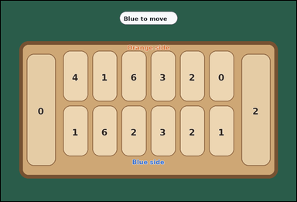 | 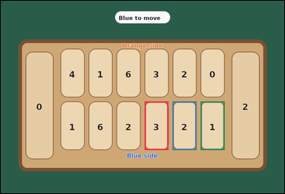 | task_games_mancala_move_count | extra_turn_move_count | The image shows one visible Mancala board with six pits per side and two side stores. Answer the question using the visible board state. Blue controls the bottom row and the right store. On a move, choose one non-empty pit on Blue's row, pick up all stones from that pit, and place them one by one into the following pits moving counterclockwise, including Blue's store but skipping Orange's store. A move gives Blue another turn if the last stone lands in Blue's store. How many possible starting pits on Blue's row would end with another turn for Blue? Answer with an integer. Return a valid JSON object with keys "evidence" and "answer" in that order. Evidence requirement: set "evidence" to an array of bounding boxes [x1, y1, x2, y2] for every bottom-row pit that would give Blue another turn. Answer format: set "answer" to the number of bottom-row pits that would give Blue another turn. Example JSON: {"evidence":[[140,236,242,360],[262,236,364,360]],"answer":2} | The image shows one visible Mancala board with six pits per side and two side stores. Answer the question using the visible board state. Blue controls the bottom row and the right store. On a move, choose one non-empty pit on Blue's row, pick up all stones from that pit, and place them one by one into the following pits moving counterclockwise, including Blue's store but skipping Orange's store. A move gives Blue another turn if the last stone lands in Blue's store. How many possible starting pits on Blue's row would end with another turn for Blue? Answer with an integer. Return a valid JSON object with key "answer". Answer: set "answer" to the number of bottom-row pits that would give Blue another turn. Example JSON: {"answer":2} | {"evidence": [[568.0, 397.0, 662.667, 589.0], [678.667, 397.0, 773.333, 589.0], [789.333, 397.0, 884.0, 589.0]], "answer": 3} | [[568.0, 397.0, 662.667, 589.0], [678.667, 397.0, 773.333, 589.0], [789.333, 397.0, 884.0, 589.0]] | integer | bbox_set | 1.4992813901E+15 | games/task_games_mancala_move_count/images/extra_turn_move_count/0011.png | games/task_games_mancala_move_count/data/extra_turn_move_count/0011.json
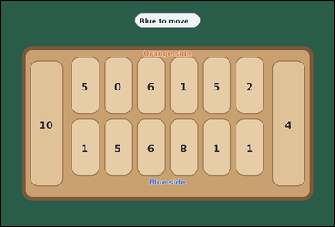 | 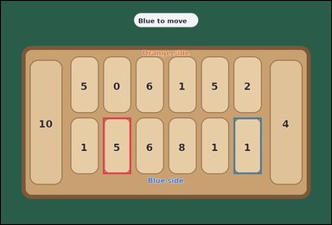 | task_games_mancala_move_count | extra_turn_move_count | Look at the visible Mancala board in the image. It shows one crowded visible Mancala board with six pits per side and two side stores. Use the displayed Mancala state to determine the requested count. Blue controls the bottom row and the right store. On a move, choose one non-empty pit on Blue's row, pick up all stones from that pit, and place them one by one into the following pits moving counterclockwise, including Blue's store but skipping Orange's store. A move gives Blue another turn if the last stone lands in Blue's store. What is the number of Blue pits that end in Blue's store? Answer with an integer. Return a valid JSON object with keys "evidence" and "answer" in that order. Evidence: set "evidence" to an array of bounding boxes [x1, y1, x2, y2] for every bottom-row pit that would give Blue another turn. Answer: set "answer" to the number of bottom-row pits that would give Blue another turn. Example JSON: {"evidence":[[140,236,242,360],[262,236,364,360]],"answer":2} | Look at the visible Mancala board in the image. It shows one crowded visible Mancala board with six pits per side and two side stores. Use the displayed Mancala state to determine the requested count. Blue controls the bottom row and the right store. On a move, choose one non-empty pit on Blue's row, pick up all stones from that pit, and place them one by one into the following pits moving counterclockwise, including Blue's store but skipping Orange's store. A move gives Blue another turn if the last stone lands in Blue's store. What is the number of Blue pits that end in Blue's store? Answer with an integer. Return a valid JSON object with key "answer". Answer field: set "answer" to the number of bottom-row pits that would give Blue another turn. Example JSON: {"answer":2} | {"evidence": [[346.667, 397.0, 441.333, 589.0], [789.333, 397.0, 884.0, 589.0]], "answer": 2} | [[346.667, 397.0, 441.333, 589.0], [789.333, 397.0, 884.0, 589.0]] | integer | bbox_set | 1.5621122206E+15 | games/task_games_mancala_move_count/images/extra_turn_move_count/0002.png | games/task_games_mancala_move_count/data/extra_turn_move_count/0002.json
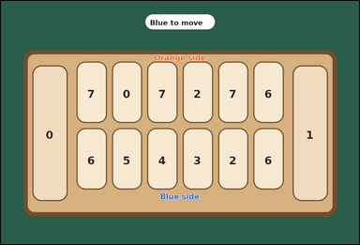 |  | task_games_mancala_move_count | extra_turn_move_count | Work from the Mancala position shown in the image: one crowded visible Mancala board with six pits per side and two side stores. Read the board and determine the requested value. Blue controls the bottom row and the right store. On a move, choose one non-empty pit on Blue's row, pick up all stones from that pit, and place them one by one into the following pits moving counterclockwise, including Blue's store but skipping Orange's store. A move gives Blue another turn if the last stone lands in Blue's store. How many bottom-row pits would give Blue another turn? Answer with an integer. Return a valid JSON object with keys "evidence" and "answer" in that order. Evidence field: set "evidence" to an array of bounding boxes [x1, y1, x2, y2] for every bottom-row pit that would give Blue another turn. Answer field: set "answer" to the number of bottom-row pits that would give Blue another turn. Example JSON: {"evidence":[[140,236,242,360],[262,236,364,360]],"answer":2} | Work from the Mancala position shown in the image: one crowded visible Mancala board with six pits per side and two side stores. Read the board and determine the requested value. Blue controls the bottom row and the right store. On a move, choose one non-empty pit on Blue's row, pick up all stones from that pit, and place them one by one into the following pits moving counterclockwise, including Blue's store but skipping Orange's store. A move gives Blue another turn if the last stone lands in Blue's store. How many bottom-row pits would give Blue another turn? Answer with an integer. Return a valid JSON object with key "answer". Answer: set "answer" to the number of bottom-row pits that would give Blue another turn. Example JSON: {"answer":2} | {"evidence": [[236.0, 397.0, 330.667, 589.0], [346.667, 397.0, 441.333, 589.0], [457.333, 397.0, 552.0, 589.0], [568.0, 397.0, 662.667, 589.0], [678.667, 397.0, 773.333, 589.0]], "answer": 5} | [[236.0, 397.0, 330.667, 589.0], [346.667, 397.0, 441.333, 589.0], [457.333, 397.0, 552.0, 589.0], [568.0, 397.0, 662.667, 589.0], [678.667, 397.0, 773.333, 589.0]] | integer | bbox_set | 1.9641665742E+15 | games/task_games_mancala_move_count/images/extra_turn_move_count/0024.png | games/task_games_mancala_move_count/data/extra_turn_move_count/0024.json
 |  | task_games_mancala_move_count | extra_turn_move_count | Work from the Mancala position shown in the image: one visible Mancala board with six pits per side and two side stores. Determine the requested move value from the visible board. Blue controls the bottom row and the right store. On a move, choose one non-empty pit on Blue's row, pick up all stones from that pit, and place them one by one into the following pits moving counterclockwise, including Blue's store but skipping Orange's store. A move gives Blue another turn if the last stone lands in Blue's store. What is the number of Blue pits that end in Blue's store? Answer with an integer. Return a valid JSON object with keys "evidence" and "answer" in that order. Evidence format: set "evidence" to an array of bounding boxes [x1, y1, x2, y2] for every bottom-row pit that would give Blue another turn. Answer requirement: set "answer" to the number of bottom-row pits that would give Blue another turn. Example JSON: {"evidence":[[140,236,242,360],[262,236,364,360]],"answer":2} | Work from the Mancala position shown in the image: one visible Mancala board with six pits per side and two side stores. Determine the requested move value from the visible board. Blue controls the bottom row and the right store. On a move, choose one non-empty pit on Blue's row, pick up all stones from that pit, and place them one by one into the following pits moving counterclockwise, including Blue's store but skipping Orange's store. A move gives Blue another turn if the last stone lands in Blue's store. What is the number of Blue pits that end in Blue's store? Answer with an integer. Return a valid JSON object with key "answer". Answer format: set "answer" to the number of bottom-row pits that would give Blue another turn. Example JSON: {"answer":2} | {"evidence": [[346.667, 397.0, 441.333, 589.0], [457.333, 397.0, 552.0, 589.0]], "answer": 2} | [[346.667, 397.0, 441.333, 589.0], [457.333, 397.0, 552.0, 589.0]] | integer | bbox_set | 2.0025387911E+15 | games/task_games_mancala_move_count/images/extra_turn_move_count/0023.png | games/task_games_mancala_move_count/data/extra_turn_move_count/0023.json
 |  | task_games_mancala_move_count | extra_turn_move_count | You are given a Mancala board image with one visible Mancala board with six pits per side and two side stores. Determine the requested move value from the visible board. Blue controls the bottom row and the right store. On a move, choose one non-empty pit on Blue's row, pick up all stones from that pit, and place them one by one into the following pits moving counterclockwise, including Blue's store but skipping Orange's store. A move gives Blue another turn if the last stone lands in Blue's store. What is the number of Blue pits that end in Blue's store? Answer with an integer. Return a valid JSON object with keys "evidence" and "answer" in that order. Evidence requirement: set "evidence" to an array of bounding boxes [x1, y1, x2, y2] for every bottom-row pit that would give Blue another turn. Answer format: set "answer" to the number of bottom-row pits that would give Blue another turn. Example JSON: {"evidence":[[140,236,242,360],[262,236,364,360]],"answer":2} | You are given a Mancala board image with one visible Mancala board with six pits per side and two side stores. Determine the requested move value from the visible board. Blue controls the bottom row and the right store. On a move, choose one non-empty pit on Blue's row, pick up all stones from that pit, and place them one by one into the following pits moving counterclockwise, including Blue's store but skipping Orange's store. A move gives Blue another turn if the last stone lands in Blue's store. What is the number of Blue pits that end in Blue's store? Answer with an integer. Return a valid JSON object with key "answer". Answer rule: set "answer" to the number of bottom-row pits that would give Blue another turn. Example JSON: {"answer":2} | {"evidence": [], "answer": 0} | [] | integer | bbox_set | 2.4023916894E+15 | games/task_games_mancala_move_count/images/extra_turn_move_count/0006.png | games/task_games_mancala_move_count/data/extra_turn_move_count/0006.json
 |  | task_games_mancala_move_count | extra_turn_move_count | Work from the Mancala position shown in the image: one crowded visible Mancala board with six pits per side and two side stores. Read the board and determine the requested value. Blue controls the bottom row and the right store. On a move, choose one non-empty pit on Blue's row, pick up all stones from that pit, and place them one by one into the following pits moving counterclockwise, including Blue's store but skipping Orange's store. A move gives Blue another turn if the last stone lands in Blue's store. How many possible starting pits on Blue's row would end with another turn for Blue? Answer with an integer. Return a valid JSON object with keys "evidence" and "answer" in that order. Evidence: set "evidence" to an array of bounding boxes [x1, y1, x2, y2] for every bottom-row pit that would give Blue another turn. Answer: set "answer" to the number of bottom-row pits that would give Blue another turn. Example JSON: {"evidence":[[140,236,242,360],[262,236,364,360]],"answer":2} | Work from the Mancala position shown in the image: one crowded visible Mancala board with six pits per side and two side stores. Read the board and determine the requested value. Blue controls the bottom row and the right store. On a move, choose one non-empty pit on Blue's row, pick up all stones from that pit, and place them one by one into the following pits moving counterclockwise, including Blue's store but skipping Orange's store. A move gives Blue another turn if the last stone lands in Blue's store. How many possible starting pits on Blue's row would end with another turn for Blue? Answer with an integer. Return a valid JSON object with key "answer". Answer field: set "answer" to the number of bottom-row pits that would give Blue another turn. Example JSON: {"answer":2} | {"evidence": [], "answer": 0} | [] | integer | bbox_set | 3.3833141165E+15 | games/task_games_mancala_move_count/images/extra_turn_move_count/0019.png | games/task_games_mancala_move_count/data/extra_turn_move_count/0019.json
 |  | task_games_mancala_move_count | extra_turn_move_count | You are given a Mancala board image with one crowded visible Mancala board with six pits per side and two side stores. Determine the requested move value from the visible board. Blue controls the bottom row and the right store. On a move, choose one non-empty pit on Blue's row, pick up all stones from that pit, and place them one by one into the following pits moving counterclockwise, including Blue's store but skipping Orange's store. A move gives Blue another turn if the last stone lands in Blue's store. Determine how many bottom-row pits would let Blue move again immediately. Answer with an integer. Return a valid JSON object with keys "evidence" and "answer" in that order. Evidence: set "evidence" to an array of bounding boxes [x1, y1, x2, y2] for every bottom-row pit that would give Blue another turn. Answer: set "answer" to the number of bottom-row pits that would give Blue another turn. Example JSON: {"evidence":[[140,236,242,360],[262,236,364,360]],"answer":2} | You are given a Mancala board image with one crowded visible Mancala board with six pits per side and two side stores. Determine the requested move value from the visible board. Blue controls the bottom row and the right store. On a move, choose one non-empty pit on Blue's row, pick up all stones from that pit, and place them one by one into the following pits moving counterclockwise, including Blue's store but skipping Orange's store. A move gives Blue another turn if the last stone lands in Blue's store. Determine how many bottom-row pits would let Blue move again immediately. Answer with an integer. Return a valid JSON object with key "answer". Answer rule: set "answer" to the number of bottom-row pits that would give Blue another turn. Example JSON: {"answer":2} | {"evidence": [], "answer": 0} | [] | integer | bbox_set | 3.4155905313E+15 | games/task_games_mancala_move_count/images/extra_turn_move_count/0018.png | games/task_games_mancala_move_count/data/extra_turn_move_count/0018.json
 |  | task_games_mancala_move_count | extra_turn_move_count | Look at the visible Mancala board in the image. It shows one visible Mancala board with six pits per side and two side stores. Determine the requested move value from the visible board. Blue controls the bottom row and the right store. On a move, choose one non-empty pit on Blue's row, pick up all stones from that pit, and place them one by one into the following pits moving counterclockwise, including Blue's store but skipping Orange's store. A move gives Blue another turn if the last stone lands in Blue's store. What is the number of Blue pits that end in Blue's store? Answer with an integer. Return a valid JSON object with keys "evidence" and "answer" in that order. Evidence rule: set "evidence" to an array of bounding boxes [x1, y1, x2, y2] for every bottom-row pit that would give Blue another turn. Answer rule: set "answer" to the number of bottom-row pits that would give Blue another turn. Example JSON: {"evidence":[[140,236,242,360],[262,236,364,360]],"answer":2} | Look at the visible Mancala board in the image. It shows one visible Mancala board with six pits per side and two side stores. Determine the requested move value from the visible board. Blue controls the bottom row and the right store. On a move, choose one non-empty pit on Blue's row, pick up all stones from that pit, and place them one by one into the following pits moving counterclockwise, including Blue's store but skipping Orange's store. A move gives Blue another turn if the last stone lands in Blue's store. What is the number of Blue pits that end in Blue's store? Answer with an integer. Return a valid JSON object with key "answer". Answer rule: set "answer" to the number of bottom-row pits that would give Blue another turn. Example JSON: {"answer":2} | {"evidence": [[236.0, 397.0, 330.667, 589.0], [346.667, 397.0, 441.333, 589.0], [457.333, 397.0, 552.0, 589.0], [678.667, 397.0, 773.333, 589.0], [789.333, 397.0, 884.0, 589.0]], "answer": 5} | [[236.0, 397.0, 330.667, 589.0], [346.667, 397.0, 441.333, 589.0], [457.333, 397.0, 552.0, 589.0], [678.667, 397.0, 773.333, 589.0], [789.333, 397.0, 884.0, 589.0]] | integer | bbox_set | 3.6376266496E+15 | games/task_games_mancala_move_count/images/extra_turn_move_count/0004.png | games/task_games_mancala_move_count/data/extra_turn_move_count/0004.json
 |  | task_games_mancala_move_count | extra_turn_move_count | Work from the Mancala position shown in the image: one visible Mancala board with six pits per side and two side stores. Work from the shown Mancala position to answer the question. Blue controls the bottom row and the right store. On a move, choose one non-empty pit on Blue's row, pick up all stones from that pit, and place them one by one into the following pits moving counterclockwise, including Blue's store but skipping Orange's store. A move gives Blue another turn if the last stone lands in Blue's store. How many bottom-row pits would give Blue another turn? Answer with an integer. Return a valid JSON object with keys "evidence" and "answer" in that order. Evidence field: set "evidence" to an array of bounding boxes [x1, y1, x2, y2] for every bottom-row pit that would give Blue another turn. Answer field: set "answer" to the number of bottom-row pits that would give Blue another turn. Example JSON: {"evidence":[[140,236,242,360],[262,236,364,360]],"answer":2} | Work from the Mancala position shown in the image: one visible Mancala board with six pits per side and two side stores. Work from the shown Mancala position to answer the question. Blue controls the bottom row and the right store. On a move, choose one non-empty pit on Blue's row, pick up all stones from that pit, and place them one by one into the following pits moving counterclockwise, including Blue's store but skipping Orange's store. A move gives Blue another turn if the last stone lands in Blue's store. How many bottom-row pits would give Blue another turn? Answer with an integer. Return a valid JSON object with key "answer". Answer field: set "answer" to the number of bottom-row pits that would give Blue another turn. Example JSON: {"answer":2} | {"evidence": [[789.333, 397.0, 884.0, 589.0]], "answer": 1} | [[789.333, 397.0, 884.0, 589.0]] | integer | bbox_set | 4.2462043244E+15 | games/task_games_mancala_move_count/images/extra_turn_move_count/0014.png | games/task_games_mancala_move_count/data/extra_turn_move_count/0014.json
 |  | task_games_mancala_move_count | extra_turn_move_count | Use the visible Mancala board state in the image. It shows one crowded visible Mancala board with six pits per side and two side stores. Work from the shown Mancala position to answer the question. Blue controls the bottom row and the right store. On a move, choose one non-empty pit on Blue's row, pick up all stones from that pit, and place them one by one into the following pits moving counterclockwise, including Blue's store but skipping Orange's store. A move gives Blue another turn if the last stone lands in Blue's store. Count the bottom-row pits that would give Blue an extra turn. Answer with an integer. Return a valid JSON object with keys "evidence" and "answer" in that order. Evidence requirement: set "evidence" to an array of bounding boxes [x1, y1, x2, y2] for every bottom-row pit that would give Blue another turn. Answer format: set "answer" to the number of bottom-row pits that would give Blue another turn. Example JSON: {"evidence":[[140,236,242,360],[262,236,364,360]],"answer":2} | Use the visible Mancala board state in the image. It shows one crowded visible Mancala board with six pits per side and two side stores. Work from the shown Mancala position to answer the question. Blue controls the bottom row and the right store. On a move, choose one non-empty pit on Blue's row, pick up all stones from that pit, and place them one by one into the following pits moving counterclockwise, including Blue's store but skipping Orange's store. A move gives Blue another turn if the last stone lands in Blue's store. Count the bottom-row pits that would give Blue an extra turn. Answer with an integer. Return a valid JSON object with key "answer". Answer: set "answer" to the number of bottom-row pits that would give Blue another turn. Example JSON: {"answer":2} | {"evidence": [[236.0, 397.0, 330.667, 589.0], [346.667, 397.0, 441.333, 589.0], [457.333, 397.0, 552.0, 589.0], [568.0, 397.0, 662.667, 589.0], [789.333, 397.0, 884.0, 589.0]], "answer": 5} | [[236.0, 397.0, 330.667, 589.0], [346.667, 397.0, 441.333, 589.0], [457.333, 397.0, 552.0, 589.0], [568.0, 397.0, 662.667, 589.0], [789.333, 397.0, 884.0, 589.0]] | integer | bbox_set | 4.3804256744E+15 | games/task_games_mancala_move_count/images/extra_turn_move_count/0016.png | games/task_games_mancala_move_count/data/extra_turn_move_count/0016.json
 |  | task_games_mancala_move_count | extra_turn_move_count | Look at the visible Mancala board in the image. It shows one visible Mancala board with six pits per side and two side stores. Work from the shown Mancala position to answer the question. Blue controls the bottom row and the right store. On a move, choose one non-empty pit on Blue's row, pick up all stones from that pit, and place them one by one into the following pits moving counterclockwise, including Blue's store but skipping Orange's store. A move gives Blue another turn if the last stone lands in Blue's store. Count the bottom-row pits that would give Blue an extra turn. Answer with an integer. Return a valid JSON object with keys "evidence" and "answer" in that order. Evidence: set "evidence" to an array of bounding boxes [x1, y1, x2, y2] for every bottom-row pit that would give Blue another turn. Answer: set "answer" to the number of bottom-row pits that would give Blue another turn. Example JSON: {"evidence":[[140,236,242,360],[262,236,364,360]],"answer":2} | Look at the visible Mancala board in the image. It shows one visible Mancala board with six pits per side and two side stores. Work from the shown Mancala position to answer the question. Blue controls the bottom row and the right store. On a move, choose one non-empty pit on Blue's row, pick up all stones from that pit, and place them one by one into the following pits moving counterclockwise, including Blue's store but skipping Orange's store. A move gives Blue another turn if the last stone lands in Blue's store. Count the bottom-row pits that would give Blue an extra turn. Answer with an integer. Return a valid JSON object with key "answer". Answer: set "answer" to the number of bottom-row pits that would give Blue another turn. Example JSON: {"answer":2} | {"evidence": [[236.0, 397.0, 330.667, 589.0], [457.333, 397.0, 552.0, 589.0], [678.667, 397.0, 773.333, 589.0], [789.333, 397.0, 884.0, 589.0]], "answer": 4} | [[236.0, 397.0, 330.667, 589.0], [457.333, 397.0, 552.0, 589.0], [678.667, 397.0, 773.333, 589.0], [789.333, 397.0, 884.0, 589.0]] | integer | bbox_set | 4.7529907493E+15 | games/task_games_mancala_move_count/images/extra_turn_move_count/0000.png | games/task_games_mancala_move_count/data/extra_turn_move_count/0000.json
 |  | task_games_mancala_move_count | extra_turn_move_count | The image shows one visible Mancala board with six pits per side and two side stores. Read the board and determine the requested value. Blue controls the bottom row and the right store. On a move, choose one non-empty pit on Blue's row, pick up all stones from that pit, and place them one by one into the following pits moving counterclockwise, including Blue's store but skipping Orange's store. A move gives Blue another turn if the last stone lands in Blue's store. Count the bottom-row pits that would give Blue an extra turn. Answer with an integer. Return a valid JSON object with keys "evidence" and "answer" in that order. Evidence field: set "evidence" to an array of bounding boxes [x1, y1, x2, y2] for every bottom-row pit that would give Blue another turn. Answer field: set "answer" to the number of bottom-row pits that would give Blue another turn. Example JSON: {"evidence":[[140,236,242,360],[262,236,364,360]],"answer":2} | The image shows one visible Mancala board with six pits per side and two side stores. Read the board and determine the requested value. Blue controls the bottom row and the right store. On a move, choose one non-empty pit on Blue's row, pick up all stones from that pit, and place them one by one into the following pits moving counterclockwise, including Blue's store but skipping Orange's store. A move gives Blue another turn if the last stone lands in Blue's store. Count the bottom-row pits that would give Blue an extra turn. Answer with an integer. Return a valid JSON object with key "answer". Answer field: set "answer" to the number of bottom-row pits that would give Blue another turn. Example JSON: {"answer":2} | {"evidence": [[678.667, 397.0, 773.333, 589.0]], "answer": 1} | [[678.667, 397.0, 773.333, 589.0]] | integer | bbox_set | 4.9022975978E+15 | games/task_games_mancala_move_count/images/extra_turn_move_count/0005.png | games/task_games_mancala_move_count/data/extra_turn_move_count/0005.json
 |  | task_games_mancala_move_count | extra_turn_move_count | Work from the Mancala position shown in the image: one crowded visible Mancala board with six pits per side and two side stores. Determine the requested move value from the visible board. Blue controls the bottom row and the right store. On a move, choose one non-empty pit on Blue's row, pick up all stones from that pit, and place them one by one into the following pits moving counterclockwise, including Blue's store but skipping Orange's store. A move gives Blue another turn if the last stone lands in Blue's store. What is the number of Blue pits that end in Blue's store? Answer with an integer. Return a valid JSON object with keys "evidence" and "answer" in that order. Evidence requirement: set "evidence" to an array of bounding boxes [x1, y1, x2, y2] for every bottom-row pit that would give Blue another turn. Answer format: set "answer" to the number of bottom-row pits that would give Blue another turn. Example JSON: {"evidence":[[140,236,242,360],[262,236,364,360]],"answer":2} | Work from the Mancala position shown in the image: one crowded visible Mancala board with six pits per side and two side stores. Determine the requested move value from the visible board. Blue controls the bottom row and the right store. On a move, choose one non-empty pit on Blue's row, pick up all stones from that pit, and place them one by one into the following pits moving counterclockwise, including Blue's store but skipping Orange's store. A move gives Blue another turn if the last stone lands in Blue's store. What is the number of Blue pits that end in Blue's store? Answer with an integer. Return a valid JSON object with key "answer". Answer: set "answer" to the number of bottom-row pits that would give Blue another turn. Example JSON: {"answer":2} | {"evidence": [[346.667, 397.0, 441.333, 589.0], [457.333, 397.0, 552.0, 589.0], [789.333, 397.0, 884.0, 589.0]], "answer": 3} | [[346.667, 397.0, 441.333, 589.0], [457.333, 397.0, 552.0, 589.0], [789.333, 397.0, 884.0, 589.0]] | integer | bbox_set | 4.9584232863E+15 | games/task_games_mancala_move_count/images/extra_turn_move_count/0021.png | games/task_games_mancala_move_count/data/extra_turn_move_count/0021.json
 |  | task_games_mancala_move_count | extra_turn_move_count | Look at the visible Mancala board in the image. It shows one visible Mancala board with six pits per side and two side stores. Use the displayed Mancala state to determine the requested count. Blue controls the bottom row and the right store. On a move, choose one non-empty pit on Blue's row, pick up all stones from that pit, and place them one by one into the following pits moving counterclockwise, including Blue's store but skipping Orange's store. A move gives Blue another turn if the last stone lands in Blue's store. Count the bottom-row pits that would give Blue an extra turn. Answer with an integer. Return a valid JSON object with keys "evidence" and "answer" in that order. Evidence requirement: set "evidence" to an array of bounding boxes [x1, y1, x2, y2] for every bottom-row pit that would give Blue another turn. Answer format: set "answer" to the number of bottom-row pits that would give Blue another turn. Example JSON: {"evidence":[[140,236,242,360],[262,236,364,360]],"answer":2} | Look at the visible Mancala board in the image. It shows one visible Mancala board with six pits per side and two side stores. Use the displayed Mancala state to determine the requested count. Blue controls the bottom row and the right store. On a move, choose one non-empty pit on Blue's row, pick up all stones from that pit, and place them one by one into the following pits moving counterclockwise, including Blue's store but skipping Orange's store. A move gives Blue another turn if the last stone lands in Blue's store. Count the bottom-row pits that would give Blue an extra turn. Answer with an integer. Return a valid JSON object with key "answer". Answer rule: set "answer" to the number of bottom-row pits that would give Blue another turn. Example JSON: {"answer":2} | {"evidence": [[236.0, 397.0, 330.667, 589.0], [457.333, 397.0, 552.0, 589.0], [568.0, 397.0, 662.667, 589.0]], "answer": 3} | [[236.0, 397.0, 330.667, 589.0], [457.333, 397.0, 552.0, 589.0], [568.0, 397.0, 662.667, 589.0]] | integer | bbox_set | 5.352253437E+15 | games/task_games_mancala_move_count/images/extra_turn_move_count/0017.png | games/task_games_mancala_move_count/data/extra_turn_move_count/0017.json
 |  | task_games_mancala_move_count | extra_turn_move_count | The image shows one crowded visible Mancala board with six pits per side and two side stores. Determine the requested move value from the visible board. Blue controls the bottom row and the right store. On a move, choose one non-empty pit on Blue's row, pick up all stones from that pit, and place them one by one into the following pits moving counterclockwise, including Blue's store but skipping Orange's store. A move gives Blue another turn if the last stone lands in Blue's store. Determine how many bottom-row pits would let Blue move again immediately. Answer with an integer. Return a valid JSON object with keys "evidence" and "answer" in that order. Evidence format: set "evidence" to an array of bounding boxes [x1, y1, x2, y2] for every bottom-row pit that would give Blue another turn. Answer requirement: set "answer" to the number of bottom-row pits that would give Blue another turn. Example JSON: {"evidence":[[140,236,242,360],[262,236,364,360]],"answer":2} | The image shows one crowded visible Mancala board with six pits per side and two side stores. Determine the requested move value from the visible board. Blue controls the bottom row and the right store. On a move, choose one non-empty pit on Blue's row, pick up all stones from that pit, and place them one by one into the following pits moving counterclockwise, including Blue's store but skipping Orange's store. A move gives Blue another turn if the last stone lands in Blue's store. Determine how many bottom-row pits would let Blue move again immediately. Answer with an integer. Return a valid JSON object with key "answer". Answer: set "answer" to the number of bottom-row pits that would give Blue another turn. Example JSON: {"answer":2} | {"evidence": [[236.0, 397.0, 330.667, 589.0], [346.667, 397.0, 441.333, 589.0], [568.0, 397.0, 662.667, 589.0], [789.333, 397.0, 884.0, 589.0]], "answer": 4} | [[236.0, 397.0, 330.667, 589.0], [346.667, 397.0, 441.333, 589.0], [568.0, 397.0, 662.667, 589.0], [789.333, 397.0, 884.0, 589.0]] | integer | bbox_set | 5.3713212827E+15 | games/task_games_mancala_move_count/images/extra_turn_move_count/0008.png | games/task_games_mancala_move_count/data/extra_turn_move_count/0008.json
 |  | task_games_mancala_move_count | extra_turn_move_count | You are given a Mancala board image with one crowded visible Mancala board with six pits per side and two side stores. Read the board and determine the requested value. Blue controls the bottom row and the right store. On a move, choose one non-empty pit on Blue's row, pick up all stones from that pit, and place them one by one into the following pits moving counterclockwise, including Blue's store but skipping Orange's store. A move gives Blue another turn if the last stone lands in Blue's store. How many possible starting pits on Blue's row would end with another turn for Blue? Answer with an integer. Return a valid JSON object with keys "evidence" and "answer" in that order. Evidence format: set "evidence" to an array of bounding boxes [x1, y1, x2, y2] for every bottom-row pit that would give Blue another turn. Answer requirement: set "answer" to the number of bottom-row pits that would give Blue another turn. Example JSON: {"evidence":[[140,236,242,360],[262,236,364,360]],"answer":2} | You are given a Mancala board image with one crowded visible Mancala board with six pits per side and two side stores. Read the board and determine the requested value. Blue controls the bottom row and the right store. On a move, choose one non-empty pit on Blue's row, pick up all stones from that pit, and place them one by one into the following pits moving counterclockwise, including Blue's store but skipping Orange's store. A move gives Blue another turn if the last stone lands in Blue's store. How many possible starting pits on Blue's row would end with another turn for Blue? Answer with an integer. Return a valid JSON object with key "answer". Answer format: set "answer" to the number of bottom-row pits that would give Blue another turn. Example JSON: {"answer":2} | {"evidence": [[568.0, 397.0, 662.667, 589.0], [678.667, 397.0, 773.333, 589.0]], "answer": 2} | [[568.0, 397.0, 662.667, 589.0], [678.667, 397.0, 773.333, 589.0]] | integer | bbox_set | 6.0272582793E+15 | games/task_games_mancala_move_count/images/extra_turn_move_count/0003.png | games/task_games_mancala_move_count/data/extra_turn_move_count/0003.json
 |  | task_games_mancala_move_count | extra_turn_move_count | Look at the visible Mancala board in the image. It shows one crowded visible Mancala board with six pits per side and two side stores. Work from the shown Mancala position to answer the question. Blue controls the bottom row and the right store. On a move, choose one non-empty pit on Blue's row, pick up all stones from that pit, and place them one by one into the following pits moving counterclockwise, including Blue's store but skipping Orange's store. A move gives Blue another turn if the last stone lands in Blue's store. What is the number of Blue pits that end in Blue's store? Answer with an integer. Return a valid JSON object with keys "evidence" and "answer" in that order. Evidence rule: set "evidence" to an array of bounding boxes [x1, y1, x2, y2] for every bottom-row pit that would give Blue another turn. Answer rule: set "answer" to the number of bottom-row pits that would give Blue another turn. Example JSON: {"evidence":[[140,236,242,360],[262,236,364,360]],"answer":2} | Look at the visible Mancala board in the image. It shows one crowded visible Mancala board with six pits per side and two side stores. Work from the shown Mancala position to answer the question. Blue controls the bottom row and the right store. On a move, choose one non-empty pit on Blue's row, pick up all stones from that pit, and place them one by one into the following pits moving counterclockwise, including Blue's store but skipping Orange's store. A move gives Blue another turn if the last stone lands in Blue's store. What is the number of Blue pits that end in Blue's store? Answer with an integer. Return a valid JSON object with key "answer". Answer rule: set "answer" to the number of bottom-row pits that would give Blue another turn. Example JSON: {"answer":2} | {"evidence": [[346.667, 397.0, 441.333, 589.0], [568.0, 397.0, 662.667, 589.0], [678.667, 397.0, 773.333, 589.0]], "answer": 3} | [[346.667, 397.0, 441.333, 589.0], [568.0, 397.0, 662.667, 589.0], [678.667, 397.0, 773.333, 589.0]] | integer | bbox_set | 6.3919705918E+15 | games/task_games_mancala_move_count/images/extra_turn_move_count/0007.png | games/task_games_mancala_move_count/data/extra_turn_move_count/0007.json
 |  | task_games_mancala_move_count | extra_turn_move_count | Use the visible Mancala board state in the image. It shows one visible Mancala board with six pits per side and two side stores. Read the board and determine the requested value. Blue controls the bottom row and the right store. On a move, choose one non-empty pit on Blue's row, pick up all stones from that pit, and place them one by one into the following pits moving counterclockwise, including Blue's store but skipping Orange's store. A move gives Blue another turn if the last stone lands in Blue's store. How many possible starting pits on Blue's row would end with another turn for Blue? Answer with an integer. Return a valid JSON object with keys "evidence" and "answer" in that order. Evidence field: set "evidence" to an array of bounding boxes [x1, y1, x2, y2] for every bottom-row pit that would give Blue another turn. Answer field: set "answer" to the number of bottom-row pits that would give Blue another turn. Example JSON: {"evidence":[[140,236,242,360],[262,236,364,360]],"answer":2} | Use the visible Mancala board state in the image. It shows one visible Mancala board with six pits per side and two side stores. Read the board and determine the requested value. Blue controls the bottom row and the right store. On a move, choose one non-empty pit on Blue's row, pick up all stones from that pit, and place them one by one into the following pits moving counterclockwise, including Blue's store but skipping Orange's store. A move gives Blue another turn if the last stone lands in Blue's store. How many possible starting pits on Blue's row would end with another turn for Blue? Answer with an integer. Return a valid JSON object with key "answer". Answer rule: set "answer" to the number of bottom-row pits that would give Blue another turn. Example JSON: {"answer":2} | {"evidence": [[236.0, 397.0, 330.667, 589.0], [346.667, 397.0, 441.333, 589.0], [457.333, 397.0, 552.0, 589.0], [568.0, 397.0, 662.667, 589.0], [789.333, 397.0, 884.0, 589.0]], "answer": 5} | [[236.0, 397.0, 330.667, 589.0], [346.667, 397.0, 441.333, 589.0], [457.333, 397.0, 552.0, 589.0], [568.0, 397.0, 662.667, 589.0], [789.333, 397.0, 884.0, 589.0]] | integer | bbox_set | 7.3106967541E+15 | games/task_games_mancala_move_count/images/extra_turn_move_count/0012.png | games/task_games_mancala_move_count/data/extra_turn_move_count/0012.json
 |  | task_games_mancala_move_count | extra_turn_move_count | Look at the visible Mancala board in the image. It shows one crowded visible Mancala board with six pits per side and two side stores. Determine the requested move value from the visible board. Blue controls the bottom row and the right store. On a move, choose one non-empty pit on Blue's row, pick up all stones from that pit, and place them one by one into the following pits moving counterclockwise, including Blue's store but skipping Orange's store. A move gives Blue another turn if the last stone lands in Blue's store. What is the number of Blue pits that end in Blue's store? Answer with an integer. Return a valid JSON object with keys "evidence" and "answer" in that order. Evidence requirement: set "evidence" to an array of bounding boxes [x1, y1, x2, y2] for every bottom-row pit that would give Blue another turn. Answer format: set "answer" to the number of bottom-row pits that would give Blue another turn. Example JSON: {"evidence":[[140,236,242,360],[262,236,364,360]],"answer":2} | Look at the visible Mancala board in the image. It shows one crowded visible Mancala board with six pits per side and two side stores. Determine the requested move value from the visible board. Blue controls the bottom row and the right store. On a move, choose one non-empty pit on Blue's row, pick up all stones from that pit, and place them one by one into the following pits moving counterclockwise, including Blue's store but skipping Orange's store. A move gives Blue another turn if the last stone lands in Blue's store. What is the number of Blue pits that end in Blue's store? Answer with an integer. Return a valid JSON object with key "answer". Answer: set "answer" to the number of bottom-row pits that would give Blue another turn. Example JSON: {"answer":2} | {"evidence": [[346.667, 397.0, 441.333, 589.0], [789.333, 397.0, 884.0, 589.0]], "answer": 2} | [[346.667, 397.0, 441.333, 589.0], [789.333, 397.0, 884.0, 589.0]] | integer | bbox_set | 8.05949067E+15 | games/task_games_mancala_move_count/images/extra_turn_move_count/0001.png | games/task_games_mancala_move_count/data/extra_turn_move_count/0001.json
 |  | task_games_mancala_move_count | extra_turn_move_count | Work from the Mancala position shown in the image: one crowded visible Mancala board with six pits per side and two side stores. Read the board and determine the requested value. Blue controls the bottom row and the right store. On a move, choose one non-empty pit on Blue's row, pick up all stones from that pit, and place them one by one into the following pits moving counterclockwise, including Blue's store but skipping Orange's store. A move gives Blue another turn if the last stone lands in Blue's store. How many bottom-row pits would give Blue another turn? Answer with an integer. Return a valid JSON object with keys "evidence" and "answer" in that order. Evidence rule: set "evidence" to an array of bounding boxes [x1, y1, x2, y2] for every bottom-row pit that would give Blue another turn. Answer rule: set "answer" to the number of bottom-row pits that would give Blue another turn. Example JSON: {"evidence":[[140,236,242,360],[262,236,364,360]],"answer":2} | Work from the Mancala position shown in the image: one crowded visible Mancala board with six pits per side and two side stores. Read the board and determine the requested value. Blue controls the bottom row and the right store. On a move, choose one non-empty pit on Blue's row, pick up all stones from that pit, and place them one by one into the following pits moving counterclockwise, including Blue's store but skipping Orange's store. A move gives Blue another turn if the last stone lands in Blue's store. How many bottom-row pits would give Blue another turn? Answer with an integer. Return a valid JSON object with key "answer". Answer format: set "answer" to the number of bottom-row pits that would give Blue another turn. Example JSON: {"answer":2} | {"evidence": [[457.333, 397.0, 552.0, 589.0], [568.0, 397.0, 662.667, 589.0], [678.667, 397.0, 773.333, 589.0]], "answer": 3} | [[457.333, 397.0, 552.0, 589.0], [568.0, 397.0, 662.667, 589.0], [678.667, 397.0, 773.333, 589.0]] | integer | bbox_set | 8.1457785118E+15 | games/task_games_mancala_move_count/images/extra_turn_move_count/0015.png | games/task_games_mancala_move_count/data/extra_turn_move_count/0015.json
 |  | task_games_mancala_move_count | extra_turn_move_count | The image shows one visible Mancala board with six pits per side and two side stores. Determine the requested move value from the visible board. Blue controls the bottom row and the right store. On a move, choose one non-empty pit on Blue's row, pick up all stones from that pit, and place them one by one into the following pits moving counterclockwise, including Blue's store but skipping Orange's store. A move gives Blue another turn if the last stone lands in Blue's store. Count the bottom-row pits that would give Blue an extra turn. Answer with an integer. Return a valid JSON object with keys "evidence" and "answer" in that order. Evidence field: set "evidence" to an array of bounding boxes [x1, y1, x2, y2] for every bottom-row pit that would give Blue another turn. Answer field: set "answer" to the number of bottom-row pits that would give Blue another turn. Example JSON: {"evidence":[[140,236,242,360],[262,236,364,360]],"answer":2} | The image shows one visible Mancala board with six pits per side and two side stores. Determine the requested move value from the visible board. Blue controls the bottom row and the right store. On a move, choose one non-empty pit on Blue's row, pick up all stones from that pit, and place them one by one into the following pits moving counterclockwise, including Blue's store but skipping Orange's store. A move gives Blue another turn if the last stone lands in Blue's store. Count the bottom-row pits that would give Blue an extra turn. Answer with an integer. Return a valid JSON object with key "answer". Answer format: set "answer" to the number of bottom-row pits that would give Blue another turn. Example JSON: {"answer":2} | {"evidence": [[346.667, 397.0, 441.333, 589.0], [568.0, 397.0, 662.667, 589.0], [789.333, 397.0, 884.0, 589.0]], "answer": 3} | [[346.667, 397.0, 441.333, 589.0], [568.0, 397.0, 662.667, 589.0], [789.333, 397.0, 884.0, 589.0]] | integer | bbox_set | 8.3460803432E+15 | games/task_games_mancala_move_count/images/extra_turn_move_count/0013.png | games/task_games_mancala_move_count/data/extra_turn_move_count/0013.json
 |  | task_games_mancala_move_count | extra_turn_move_count | The image shows one crowded visible Mancala board with six pits per side and two side stores. Work from the shown Mancala position to answer the question. Blue controls the bottom row and the right store. On a move, choose one non-empty pit on Blue's row, pick up all stones from that pit, and place them one by one into the following pits moving counterclockwise, including Blue's store but skipping Orange's store. A move gives Blue another turn if the last stone lands in Blue's store. What is the number of Blue pits that end in Blue's store? Answer with an integer. Return a valid JSON object with keys "evidence" and "answer" in that order. Evidence: set "evidence" to an array of bounding boxes [x1, y1, x2, y2] for every bottom-row pit that would give Blue another turn. Answer: set "answer" to the number of bottom-row pits that would give Blue another turn. Example JSON: {"evidence":[[140,236,242,360],[262,236,364,360]],"answer":2} | The image shows one crowded visible Mancala board with six pits per side and two side stores. Work from the shown Mancala position to answer the question. Blue controls the bottom row and the right store. On a move, choose one non-empty pit on Blue's row, pick up all stones from that pit, and place them one by one into the following pits moving counterclockwise, including Blue's store but skipping Orange's store. A move gives Blue another turn if the last stone lands in Blue's store. What is the number of Blue pits that end in Blue's store? Answer with an integer. Return a valid JSON object with key "answer". Answer: set "answer" to the number of bottom-row pits that would give Blue another turn. Example JSON: {"answer":2} | {"evidence": [[236.0, 397.0, 330.667, 589.0], [568.0, 397.0, 662.667, 589.0]], "answer": 2} | [[236.0, 397.0, 330.667, 589.0], [568.0, 397.0, 662.667, 589.0]] | integer | bbox_set | 8.5474274356E+15 | games/task_games_mancala_move_count/images/extra_turn_move_count/0009.png | games/task_games_mancala_move_count/data/extra_turn_move_count/0009.json
 |  | task_games_mancala_move_count | extra_turn_move_count | Work from the Mancala position shown in the image: one visible Mancala board with six pits per side and two side stores. Answer the question using the visible board state. Blue controls the bottom row and the right store. On a move, choose one non-empty pit on Blue's row, pick up all stones from that pit, and place them one by one into the following pits moving counterclockwise, including Blue's store but skipping Orange's store. A move gives Blue another turn if the last stone lands in Blue's store. What is the number of Blue pits that end in Blue's store? Answer with an integer. Return a valid JSON object with keys "evidence" and "answer" in that order. Evidence rule: set "evidence" to an array of bounding boxes [x1, y1, x2, y2] for every bottom-row pit that would give Blue another turn. Answer rule: set "answer" to the number of bottom-row pits that would give Blue another turn. Example JSON: {"evidence":[[140,236,242,360],[262,236,364,360]],"answer":2} | Work from the Mancala position shown in the image: one visible Mancala board with six pits per side and two side stores. Answer the question using the visible board state. Blue controls the bottom row and the right store. On a move, choose one non-empty pit on Blue's row, pick up all stones from that pit, and place them one by one into the following pits moving counterclockwise, including Blue's store but skipping Orange's store. A move gives Blue another turn if the last stone lands in Blue's store. What is the number of Blue pits that end in Blue's store? Answer with an integer. Return a valid JSON object with key "answer". Answer requirement: set "answer" to the number of bottom-row pits that would give Blue another turn. Example JSON: {"answer":2} | {"evidence": [[568.0, 397.0, 662.667, 589.0], [678.667, 397.0, 773.333, 589.0], [789.333, 397.0, 884.0, 589.0]], "answer": 3} | [[568.0, 397.0, 662.667, 589.0], [678.667, 397.0, 773.333, 589.0], [789.333, 397.0, 884.0, 589.0]] | integer | bbox_set | 8.6898380915E+15 | games/task_games_mancala_move_count/images/extra_turn_move_count/0010.png | games/task_games_mancala_move_count/data/extra_turn_move_count/0010.json
 |  | task_games_mancala_move_count | extra_turn_move_count | The image shows one visible Mancala board with six pits per side and two side stores. Answer the question using the visible board state. Blue controls the bottom row and the right store. On a move, choose one non-empty pit on Blue's row, pick up all stones from that pit, and place them one by one into the following pits moving counterclockwise, including Blue's store but skipping Orange's store. A move gives Blue another turn if the last stone lands in Blue's store. How many bottom-row pits would give Blue another turn? Answer with an integer. Return a valid JSON object with keys "evidence" and "answer" in that order. Evidence rule: set "evidence" to an array of bounding boxes [x1, y1, x2, y2] for every bottom-row pit that would give Blue another turn. Answer rule: set "answer" to the number of bottom-row pits that would give Blue another turn. Example JSON: {"evidence":[[140,236,242,360],[262,236,364,360]],"answer":2} | The image shows one visible Mancala board with six pits per side and two side stores. Answer the question using the visible board state. Blue controls the bottom row and the right store. On a move, choose one non-empty pit on Blue's row, pick up all stones from that pit, and place them one by one into the following pits moving counterclockwise, including Blue's store but skipping Orange's store. A move gives Blue another turn if the last stone lands in Blue's store. How many bottom-row pits would give Blue another turn? Answer with an integer. Return a valid JSON object with key "answer". Answer field: set "answer" to the number of bottom-row pits that would give Blue another turn. Example JSON: {"answer":2} | {"evidence": [[457.333, 397.0, 552.0, 589.0], [568.0, 397.0, 662.667, 589.0]], "answer": 2} | [[457.333, 397.0, 552.0, 589.0], [568.0, 397.0, 662.667, 589.0]] | integer | bbox_set | 8.7117319242E+15 | games/task_games_mancala_move_count/images/extra_turn_move_count/0022.png | games/task_games_mancala_move_count/data/extra_turn_move_count/0022.json

