corner_move_count
image | evidence_image | task | task_variant | prompt | prompt_answer_only | answer | answer_evidence | answer_type | evidence_type | instance_seed | image_path | data_path
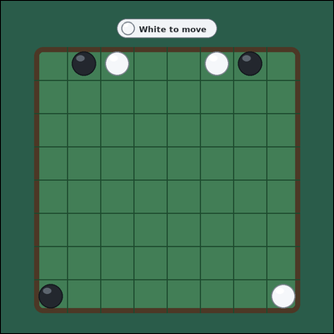 | 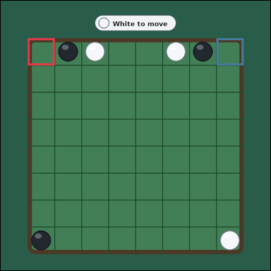 | task_games_reversi_move_count | corner_move_count | Use the visible Reversi board state in the image. It shows one face-up 8 by 8 Reversi board with black and white discs on a green table. Answer the question using the visible board state. It is White's turn. A legal move is an empty square where placing your disc would bracket one or more opponent discs in a straight line between the new disc and another one of your discs. The corner squares are the four outermost board corners. Determine how many legal moves for White lie on corners. Answer with an integer. Return a valid JSON object with keys "evidence" and "answer" in that order. Evidence field: set "evidence" to an array of bounding boxes [x1, y1, x2, y2] for every legal corner move square for the current player. Answer field: set "answer" to the number of legal corner move squares for the current player. Example JSON: {"evidence":[[112,184,176,248],[184,184,248,248]],"answer":2} | Use the visible Reversi board state in the image. It shows one face-up 8 by 8 Reversi board with black and white discs on a green table. Answer the question using the visible board state. It is White's turn. A legal move is an empty square where placing your disc would bracket one or more opponent discs in a straight line between the new disc and another one of your discs. The corner squares are the four outermost board corners. Determine how many legal moves for White lie on corners. Answer with an integer. Return a valid JSON object with key "answer". Answer rule: set "answer" to the number of legal corner move squares for the current player. Example JSON: {"answer":2} | {"evidence": [[90.0, 125.0, 180.0, 215.0], [720.0, 125.0, 810.0, 215.0]], "answer": 2} | [[90.0, 125.0, 180.0, 215.0], [720.0, 125.0, 810.0, 215.0]] | integer | bbox_set | 217569351815364 | games/task_games_reversi_move_count/images/corner_move_count/0021.png | games/task_games_reversi_move_count/data/corner_move_count/0021.json
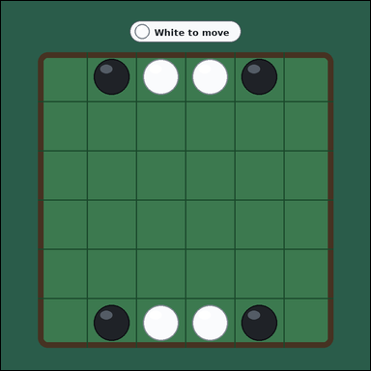 | 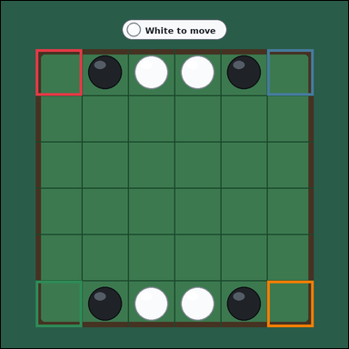 | task_games_reversi_move_count | corner_move_count | Look at the visible Reversi board in the image. It shows one face-up 6 by 6 Reversi board with black and white discs on a green table. Answer the question using the visible board state. It is White's turn. A legal move is an empty square where placing your disc would bracket one or more opponent discs in a straight line between the new disc and another one of your discs. The corner squares are the four outermost board corners. What is the number of legal corner squares for White? Answer with an integer. Return a valid JSON object with keys "evidence" and "answer" in that order. Evidence requirement: set "evidence" to an array of bounding boxes [x1, y1, x2, y2] for every legal corner move square for the current player. Answer format: set "answer" to the number of legal corner move squares for the current player. Example JSON: {"evidence":[[112,184,176,248],[184,184,248,248]],"answer":2} | Look at the visible Reversi board in the image. It shows one face-up 6 by 6 Reversi board with black and white discs on a green table. Answer the question using the visible board state. It is White's turn. A legal move is an empty square where placing your disc would bracket one or more opponent discs in a straight line between the new disc and another one of your discs. The corner squares are the four outermost board corners. What is the number of legal corner squares for White? Answer with an integer. Return a valid JSON object with key "answer". Answer requirement: set "answer" to the number of legal corner move squares for the current player. Example JSON: {"answer":2} | {"evidence": [[90.0, 125.0, 210.0, 245.0], [690.0, 125.0, 810.0, 245.0], [90.0, 725.0, 210.0, 845.0], [690.0, 725.0, 810.0, 845.0]], "answer": 4} | [[90.0, 125.0, 210.0, 245.0], [690.0, 125.0, 810.0, 245.0], [90.0, 725.0, 210.0, 845.0], [690.0, 725.0, 810.0, 845.0]] | integer | bbox_set | 1.502962572E+15 | games/task_games_reversi_move_count/images/corner_move_count/0003.png | games/task_games_reversi_move_count/data/corner_move_count/0003.json
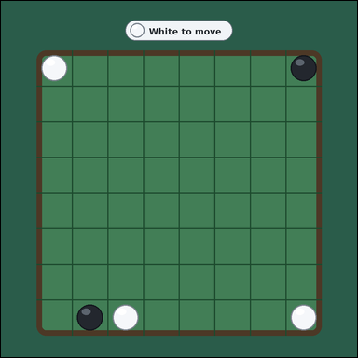 | 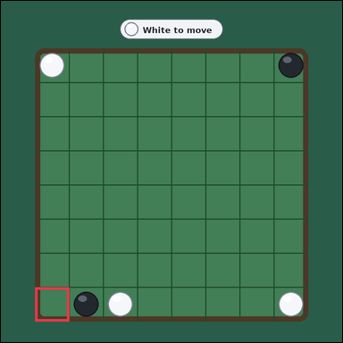 | task_games_reversi_move_count | corner_move_count | Use the visible Reversi board state in the image. It shows one face-up 8 by 8 Reversi board with black and white discs on a green table. Determine the requested move value from the visible board. It is White's turn. A legal move is an empty square where placing your disc would bracket one or more opponent discs in a straight line between the new disc and another one of your discs. The corner squares are the four outermost board corners. Count the legal corner moves available to White. Answer with an integer. Return a valid JSON object with keys "evidence" and "answer" in that order. Evidence field: set "evidence" to an array of bounding boxes [x1, y1, x2, y2] for every legal corner move square for the current player. Answer field: set "answer" to the number of legal corner move squares for the current player. Example JSON: {"evidence":[[112,184,176,248],[184,184,248,248]],"answer":2} | Use the visible Reversi board state in the image. It shows one face-up 8 by 8 Reversi board with black and white discs on a green table. Determine the requested move value from the visible board. It is White's turn. A legal move is an empty square where placing your disc would bracket one or more opponent discs in a straight line between the new disc and another one of your discs. The corner squares are the four outermost board corners. Count the legal corner moves available to White. Answer with an integer. Return a valid JSON object with key "answer". Answer rule: set "answer" to the number of legal corner move squares for the current player. Example JSON: {"answer":2} | {"evidence": [[90.0, 755.0, 180.0, 845.0]], "answer": 1} | [[90.0, 755.0, 180.0, 845.0]] | integer | bbox_set | 1.7394787601E+15 | games/task_games_reversi_move_count/images/corner_move_count/0019.png | games/task_games_reversi_move_count/data/corner_move_count/0019.json
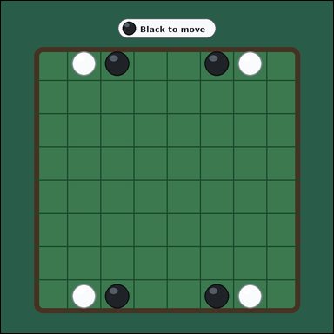 | 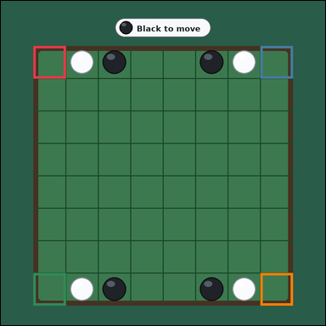 | task_games_reversi_move_count | corner_move_count | Work from the Reversi position shown in the image: one face-up 8 by 8 Reversi board with black and white discs on a green table. Answer the question using the visible board state. It is Black's turn. A legal move is an empty square where placing your disc would bracket one or more opponent discs in a straight line between the new disc and another one of your discs. The corner squares are the four outermost board corners. How many legal moves for Black are corners? Answer with an integer. Return a valid JSON object with keys "evidence" and "answer" in that order. Evidence requirement: set "evidence" to an array of bounding boxes [x1, y1, x2, y2] for every legal corner move square for the current player. Answer format: set "answer" to the number of legal corner move squares for the current player. Example JSON: {"evidence":[[112,184,176,248],[184,184,248,248]],"answer":2} | Work from the Reversi position shown in the image: one face-up 8 by 8 Reversi board with black and white discs on a green table. Answer the question using the visible board state. It is Black's turn. A legal move is an empty square where placing your disc would bracket one or more opponent discs in a straight line between the new disc and another one of your discs. The corner squares are the four outermost board corners. How many legal moves for Black are corners? Answer with an integer. Return a valid JSON object with key "answer". Answer: set "answer" to the number of legal corner move squares for the current player. Example JSON: {"answer":2} | {"evidence": [[90.0, 125.0, 180.0, 215.0], [720.0, 125.0, 810.0, 215.0], [90.0, 755.0, 180.0, 845.0], [720.0, 755.0, 810.0, 845.0]], "answer": 4} | [[90.0, 125.0, 180.0, 215.0], [720.0, 125.0, 810.0, 215.0], [90.0, 755.0, 180.0, 845.0], [720.0, 755.0, 810.0, 845.0]] | integer | bbox_set | 2.2717211032E+15 | games/task_games_reversi_move_count/images/corner_move_count/0020.png | games/task_games_reversi_move_count/data/corner_move_count/0020.json
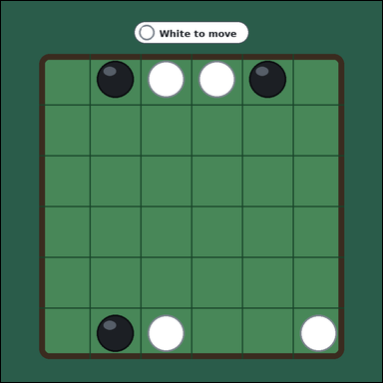 | 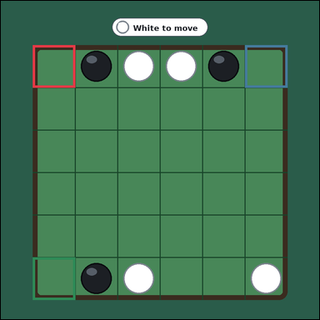 | task_games_reversi_move_count | corner_move_count | You are given a Reversi board image with one face-up 6 by 6 Reversi board with black and white discs on a green table. Use the displayed Reversi state to determine the requested count. It is White's turn. A legal move is an empty square where placing your disc would bracket one or more opponent discs in a straight line between the new disc and another one of your discs. The corner squares are the four outermost board corners. Count the legal corner moves available to White. Answer with an integer. Return a valid JSON object with keys "evidence" and "answer" in that order. Evidence field: set "evidence" to an array of bounding boxes [x1, y1, x2, y2] for every legal corner move square for the current player. Answer field: set "answer" to the number of legal corner move squares for the current player. Example JSON: {"evidence":[[112,184,176,248],[184,184,248,248]],"answer":2} | You are given a Reversi board image with one face-up 6 by 6 Reversi board with black and white discs on a green table. Use the displayed Reversi state to determine the requested count. It is White's turn. A legal move is an empty square where placing your disc would bracket one or more opponent discs in a straight line between the new disc and another one of your discs. The corner squares are the four outermost board corners. Count the legal corner moves available to White. Answer with an integer. Return a valid JSON object with key "answer". Answer: set "answer" to the number of legal corner move squares for the current player. Example JSON: {"answer":2} | {"evidence": [[90.0, 125.0, 210.0, 245.0], [690.0, 125.0, 810.0, 245.0], [90.0, 725.0, 210.0, 845.0]], "answer": 3} | [[90.0, 125.0, 210.0, 245.0], [690.0, 125.0, 810.0, 245.0], [90.0, 725.0, 210.0, 845.0]] | integer | bbox_set | 2.3565927089E+15 | games/task_games_reversi_move_count/images/corner_move_count/0000.png | games/task_games_reversi_move_count/data/corner_move_count/0000.json
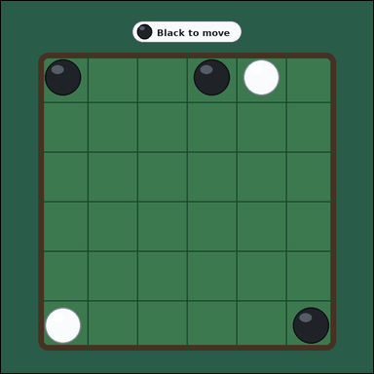 | 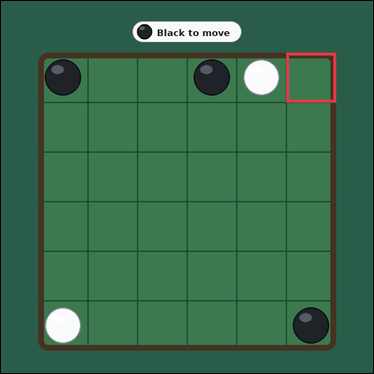 | task_games_reversi_move_count | corner_move_count | Use the visible Reversi board state in the image. It shows one face-up 6 by 6 Reversi board with black and white discs on a green table. Read the board and determine the requested value. It is Black's turn. A legal move is an empty square where placing your disc would bracket one or more opponent discs in a straight line between the new disc and another one of your discs. The corner squares are the four outermost board corners. How many legal moves for Black are corners? Answer with an integer. Return a valid JSON object with keys "evidence" and "answer" in that order. Evidence field: set "evidence" to an array of bounding boxes [x1, y1, x2, y2] for every legal corner move square for the current player. Answer field: set "answer" to the number of legal corner move squares for the current player. Example JSON: {"evidence":[[112,184,176,248],[184,184,248,248]],"answer":2} | Use the visible Reversi board state in the image. It shows one face-up 6 by 6 Reversi board with black and white discs on a green table. Read the board and determine the requested value. It is Black's turn. A legal move is an empty square where placing your disc would bracket one or more opponent discs in a straight line between the new disc and another one of your discs. The corner squares are the four outermost board corners. How many legal moves for Black are corners? Answer with an integer. Return a valid JSON object with key "answer". Answer rule: set "answer" to the number of legal corner move squares for the current player. Example JSON: {"answer":2} | {"evidence": [[690.0, 125.0, 810.0, 245.0]], "answer": 1} | [[690.0, 125.0, 810.0, 245.0]] | integer | bbox_set | 2.4838001882E+15 | games/task_games_reversi_move_count/images/corner_move_count/0009.png | games/task_games_reversi_move_count/data/corner_move_count/0009.json
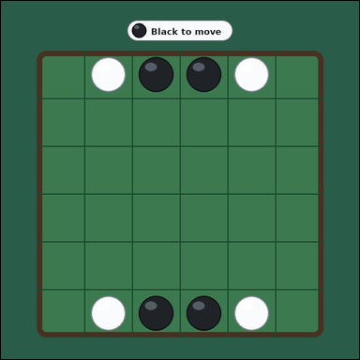 | 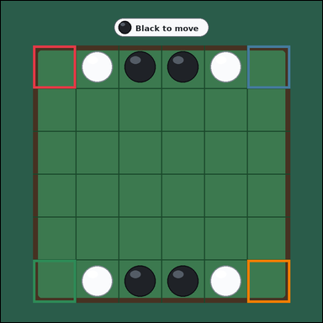 | task_games_reversi_move_count | corner_move_count | The image shows one face-up 6 by 6 Reversi board with black and white discs on a green table. Answer the question using the visible board state. It is Black's turn. A legal move is an empty square where placing your disc would bracket one or more opponent discs in a straight line between the new disc and another one of your discs. The corner squares are the four outermost board corners. What is the number of legal corner squares for Black? Answer with an integer. Return a valid JSON object with keys "evidence" and "answer" in that order. Evidence requirement: set "evidence" to an array of bounding boxes [x1, y1, x2, y2] for every legal corner move square for the current player. Answer format: set "answer" to the number of legal corner move squares for the current player. Example JSON: {"evidence":[[112,184,176,248],[184,184,248,248]],"answer":2} | The image shows one face-up 6 by 6 Reversi board with black and white discs on a green table. Answer the question using the visible board state. It is Black's turn. A legal move is an empty square where placing your disc would bracket one or more opponent discs in a straight line between the new disc and another one of your discs. The corner squares are the four outermost board corners. What is the number of legal corner squares for Black? Answer with an integer. Return a valid JSON object with key "answer". Answer format: set "answer" to the number of legal corner move squares for the current player. Example JSON: {"answer":2} | {"evidence": [[90.0, 125.0, 210.0, 245.0], [690.0, 125.0, 810.0, 245.0], [90.0, 725.0, 210.0, 845.0], [690.0, 725.0, 810.0, 845.0]], "answer": 4} | [[90.0, 125.0, 210.0, 245.0], [690.0, 125.0, 810.0, 245.0], [90.0, 725.0, 210.0, 845.0], [690.0, 725.0, 810.0, 845.0]] | integer | bbox_set | 2.7470780758E+15 | games/task_games_reversi_move_count/images/corner_move_count/0007.png | games/task_games_reversi_move_count/data/corner_move_count/0007.json
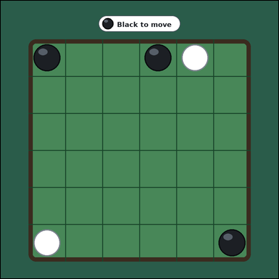 | 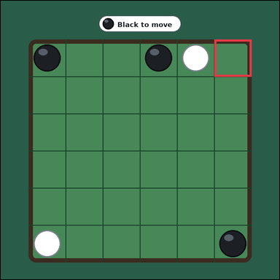 | task_games_reversi_move_count | corner_move_count | Use the visible Reversi board state in the image. It shows one face-up 6 by 6 Reversi board with black and white discs on a green table. Work from the shown Reversi position to answer the question. It is Black's turn. A legal move is an empty square where placing your disc would bracket one or more opponent discs in a straight line between the new disc and another one of your discs. The corner squares are the four outermost board corners. How many corner squares are legal moves for Black? Answer with an integer. Return a valid JSON object with keys "evidence" and "answer" in that order. Evidence: set "evidence" to an array of bounding boxes [x1, y1, x2, y2] for every legal corner move square for the current player. Answer: set "answer" to the number of legal corner move squares for the current player. Example JSON: {"evidence":[[112,184,176,248],[184,184,248,248]],"answer":2} | Use the visible Reversi board state in the image. It shows one face-up 6 by 6 Reversi board with black and white discs on a green table. Work from the shown Reversi position to answer the question. It is Black's turn. A legal move is an empty square where placing your disc would bracket one or more opponent discs in a straight line between the new disc and another one of your discs. The corner squares are the four outermost board corners. How many corner squares are legal moves for Black? Answer with an integer. Return a valid JSON object with key "answer". Answer: set "answer" to the number of legal corner move squares for the current player. Example JSON: {"answer":2} | {"evidence": [[690.0, 125.0, 810.0, 245.0]], "answer": 1} | [[690.0, 125.0, 810.0, 245.0]] | integer | bbox_set | 2.8884367818E+15 | games/task_games_reversi_move_count/images/corner_move_count/0005.png | games/task_games_reversi_move_count/data/corner_move_count/0005.json
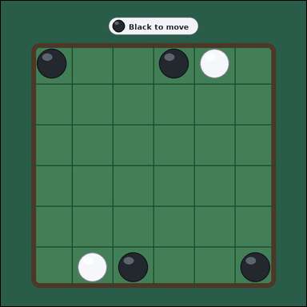 | 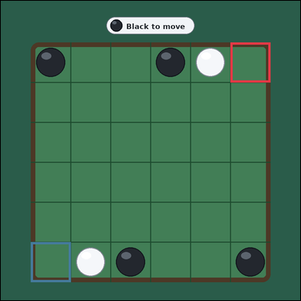 | task_games_reversi_move_count | corner_move_count | Work from the Reversi position shown in the image: one face-up 6 by 6 Reversi board with black and white discs on a green table. Answer the question using the visible board state. It is Black's turn. A legal move is an empty square where placing your disc would bracket one or more opponent discs in a straight line between the new disc and another one of your discs. The corner squares are the four outermost board corners. What is the number of legal corner squares for Black? Answer with an integer. Return a valid JSON object with keys "evidence" and "answer" in that order. Evidence: set "evidence" to an array of bounding boxes [x1, y1, x2, y2] for every legal corner move square for the current player. Answer: set "answer" to the number of legal corner move squares for the current player. Example JSON: {"evidence":[[112,184,176,248],[184,184,248,248]],"answer":2} | Work from the Reversi position shown in the image: one face-up 6 by 6 Reversi board with black and white discs on a green table. Answer the question using the visible board state. It is Black's turn. A legal move is an empty square where placing your disc would bracket one or more opponent discs in a straight line between the new disc and another one of your discs. The corner squares are the four outermost board corners. What is the number of legal corner squares for Black? Answer with an integer. Return a valid JSON object with key "answer". Answer rule: set "answer" to the number of legal corner move squares for the current player. Example JSON: {"answer":2} | {"evidence": [[690.0, 125.0, 810.0, 245.0], [90.0, 725.0, 210.0, 845.0]], "answer": 2} | [[690.0, 125.0, 810.0, 245.0], [90.0, 725.0, 210.0, 845.0]] | integer | bbox_set | 3.2601615381E+15 | games/task_games_reversi_move_count/images/corner_move_count/0006.png | games/task_games_reversi_move_count/data/corner_move_count/0006.json
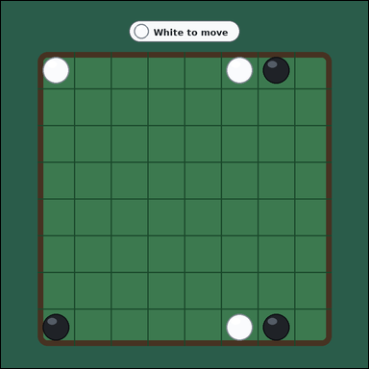 | 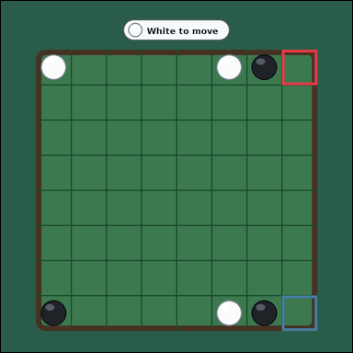 | task_games_reversi_move_count | corner_move_count | Use the visible Reversi board state in the image. It shows one face-up 8 by 8 Reversi board with black and white discs on a green table. Read the board and determine the requested value. It is White's turn. A legal move is an empty square where placing your disc would bracket one or more opponent discs in a straight line between the new disc and another one of your discs. The corner squares are the four outermost board corners. What is the number of legal corner squares for White? Answer with an integer. Return a valid JSON object with keys "evidence" and "answer" in that order. Evidence rule: set "evidence" to an array of bounding boxes [x1, y1, x2, y2] for every legal corner move square for the current player. Answer rule: set "answer" to the number of legal corner move squares for the current player. Example JSON: {"evidence":[[112,184,176,248],[184,184,248,248]],"answer":2} | Use the visible Reversi board state in the image. It shows one face-up 8 by 8 Reversi board with black and white discs on a green table. Read the board and determine the requested value. It is White's turn. A legal move is an empty square where placing your disc would bracket one or more opponent discs in a straight line between the new disc and another one of your discs. The corner squares are the four outermost board corners. What is the number of legal corner squares for White? Answer with an integer. Return a valid JSON object with key "answer". Answer field: set "answer" to the number of legal corner move squares for the current player. Example JSON: {"answer":2} | {"evidence": [[720.0, 125.0, 810.0, 215.0], [720.0, 755.0, 810.0, 845.0]], "answer": 2} | [[720.0, 125.0, 810.0, 215.0], [720.0, 755.0, 810.0, 845.0]] | integer | bbox_set | 4.3829593815E+15 | games/task_games_reversi_move_count/images/corner_move_count/0024.png | games/task_games_reversi_move_count/data/corner_move_count/0024.json
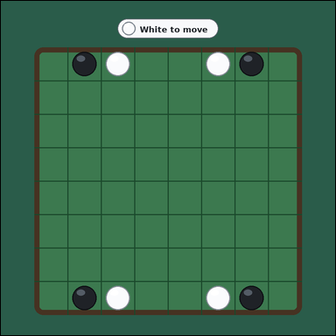 | 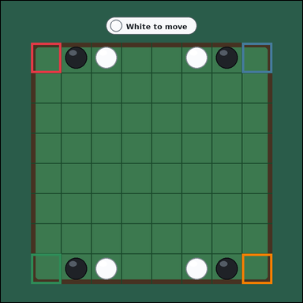 | task_games_reversi_move_count | corner_move_count | Use the visible Reversi board state in the image. It shows one face-up 8 by 8 Reversi board with black and white discs on a green table. Answer the question using the visible board state. It is White's turn. A legal move is an empty square where placing your disc would bracket one or more opponent discs in a straight line between the new disc and another one of your discs. The corner squares are the four outermost board corners. How many corner squares are legal moves for White? Answer with an integer. Return a valid JSON object with keys "evidence" and "answer" in that order. Evidence rule: set "evidence" to an array of bounding boxes [x1, y1, x2, y2] for every legal corner move square for the current player. Answer rule: set "answer" to the number of legal corner move squares for the current player. Example JSON: {"evidence":[[112,184,176,248],[184,184,248,248]],"answer":2} | Use the visible Reversi board state in the image. It shows one face-up 8 by 8 Reversi board with black and white discs on a green table. Answer the question using the visible board state. It is White's turn. A legal move is an empty square where placing your disc would bracket one or more opponent discs in a straight line between the new disc and another one of your discs. The corner squares are the four outermost board corners. How many corner squares are legal moves for White? Answer with an integer. Return a valid JSON object with key "answer". Answer format: set "answer" to the number of legal corner move squares for the current player. Example JSON: {"answer":2} | {"evidence": [[90.0, 125.0, 180.0, 215.0], [720.0, 125.0, 810.0, 215.0], [90.0, 755.0, 180.0, 845.0], [720.0, 755.0, 810.0, 845.0]], "answer": 4} | [[90.0, 125.0, 180.0, 215.0], [720.0, 125.0, 810.0, 215.0], [90.0, 755.0, 180.0, 845.0], [720.0, 755.0, 810.0, 845.0]] | integer | bbox_set | 4.4655368277E+15 | games/task_games_reversi_move_count/images/corner_move_count/0023.png | games/task_games_reversi_move_count/data/corner_move_count/0023.json
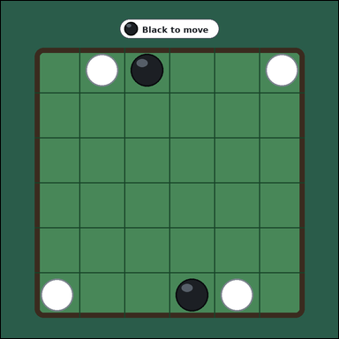 | 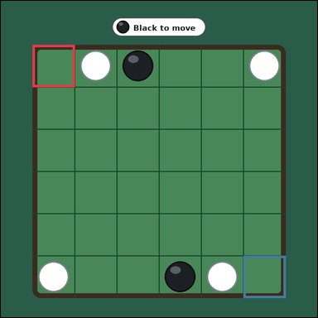 | task_games_reversi_move_count | corner_move_count | The image shows one face-up 6 by 6 Reversi board with black and white discs on a green table. Determine the requested move value from the visible board. It is Black's turn. A legal move is an empty square where placing your disc would bracket one or more opponent discs in a straight line between the new disc and another one of your discs. The corner squares are the four outermost board corners. What is the number of legal corner squares for Black? Answer with an integer. Return a valid JSON object with keys "evidence" and "answer" in that order. Evidence format: set "evidence" to an array of bounding boxes [x1, y1, x2, y2] for every legal corner move square for the current player. Answer requirement: set "answer" to the number of legal corner move squares for the current player. Example JSON: {"evidence":[[112,184,176,248],[184,184,248,248]],"answer":2} | The image shows one face-up 6 by 6 Reversi board with black and white discs on a green table. Determine the requested move value from the visible board. It is Black's turn. A legal move is an empty square where placing your disc would bracket one or more opponent discs in a straight line between the new disc and another one of your discs. The corner squares are the four outermost board corners. What is the number of legal corner squares for Black? Answer with an integer. Return a valid JSON object with key "answer". Answer format: set "answer" to the number of legal corner move squares for the current player. Example JSON: {"answer":2} | {"evidence": [[90.0, 125.0, 210.0, 245.0], [690.0, 725.0, 810.0, 845.0]], "answer": 2} | [[90.0, 125.0, 210.0, 245.0], [690.0, 725.0, 810.0, 845.0]] | integer | bbox_set | 4.6988953615E+15 | games/task_games_reversi_move_count/images/corner_move_count/0018.png | games/task_games_reversi_move_count/data/corner_move_count/0018.json
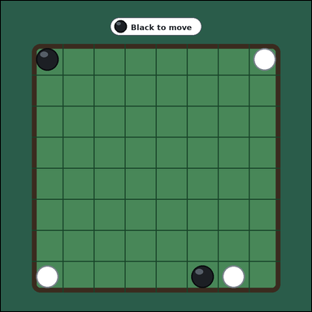 | 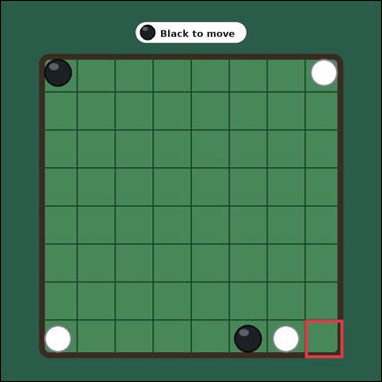 | task_games_reversi_move_count | corner_move_count | You are given a Reversi board image with one face-up 8 by 8 Reversi board with black and white discs on a green table. Determine the requested move value from the visible board. It is Black's turn. A legal move is an empty square where placing your disc would bracket one or more opponent discs in a straight line between the new disc and another one of your discs. The corner squares are the four outermost board corners. Count the legal corner moves available to Black. Answer with an integer. Return a valid JSON object with keys "evidence" and "answer" in that order. Evidence format: set "evidence" to an array of bounding boxes [x1, y1, x2, y2] for every legal corner move square for the current player. Answer requirement: set "answer" to the number of legal corner move squares for the current player. Example JSON: {"evidence":[[112,184,176,248],[184,184,248,248]],"answer":2} | You are given a Reversi board image with one face-up 8 by 8 Reversi board with black and white discs on a green table. Determine the requested move value from the visible board. It is Black's turn. A legal move is an empty square where placing your disc would bracket one or more opponent discs in a straight line between the new disc and another one of your discs. The corner squares are the four outermost board corners. Count the legal corner moves available to Black. Answer with an integer. Return a valid JSON object with key "answer". Answer rule: set "answer" to the number of legal corner move squares for the current player. Example JSON: {"answer":2} | {"evidence": [[720.0, 755.0, 810.0, 845.0]], "answer": 1} | [[720.0, 755.0, 810.0, 845.0]] | integer | bbox_set | 5.0063537337E+15 | games/task_games_reversi_move_count/images/corner_move_count/0014.png | games/task_games_reversi_move_count/data/corner_move_count/0014.json
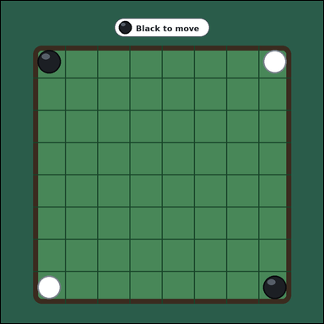 |  | task_games_reversi_move_count | corner_move_count | Work from the Reversi position shown in the image: one face-up 8 by 8 Reversi board with black and white discs on a green table. Determine the requested move value from the visible board. It is Black's turn. A legal move is an empty square where placing your disc would bracket one or more opponent discs in a straight line between the new disc and another one of your discs. The corner squares are the four outermost board corners. How many legal moves for Black are corners? Answer with an integer. Return a valid JSON object with keys "evidence" and "answer" in that order. Evidence: set "evidence" to an array of bounding boxes [x1, y1, x2, y2] for every legal corner move square for the current player. Answer: set "answer" to the number of legal corner move squares for the current player. Example JSON: {"evidence":[[112,184,176,248],[184,184,248,248]],"answer":2} | Work from the Reversi position shown in the image: one face-up 8 by 8 Reversi board with black and white discs on a green table. Determine the requested move value from the visible board. It is Black's turn. A legal move is an empty square where placing your disc would bracket one or more opponent discs in a straight line between the new disc and another one of your discs. The corner squares are the four outermost board corners. How many legal moves for Black are corners? Answer with an integer. Return a valid JSON object with key "answer". Answer rule: set "answer" to the number of legal corner move squares for the current player. Example JSON: {"answer":2} | {"evidence": [], "answer": 0} | [] | integer | bbox_set | 5.0707126733E+15 | games/task_games_reversi_move_count/images/corner_move_count/0016.png | games/task_games_reversi_move_count/data/corner_move_count/0016.json
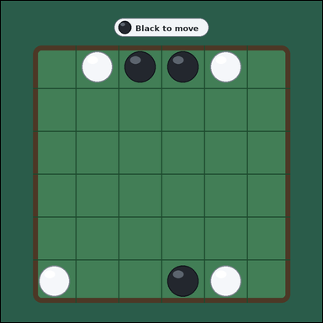 | 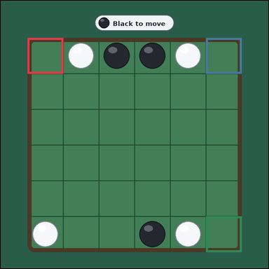 | task_games_reversi_move_count | corner_move_count | The image shows one face-up 6 by 6 Reversi board with black and white discs on a green table. Use the displayed Reversi state to determine the requested count. It is Black's turn. A legal move is an empty square where placing your disc would bracket one or more opponent discs in a straight line between the new disc and another one of your discs. The corner squares are the four outermost board corners. Determine how many legal moves for Black lie on corners. Answer with an integer. Return a valid JSON object with keys "evidence" and "answer" in that order. Evidence format: set "evidence" to an array of bounding boxes [x1, y1, x2, y2] for every legal corner move square for the current player. Answer requirement: set "answer" to the number of legal corner move squares for the current player. Example JSON: {"evidence":[[112,184,176,248],[184,184,248,248]],"answer":2} | The image shows one face-up 6 by 6 Reversi board with black and white discs on a green table. Use the displayed Reversi state to determine the requested count. It is Black's turn. A legal move is an empty square where placing your disc would bracket one or more opponent discs in a straight line between the new disc and another one of your discs. The corner squares are the four outermost board corners. Determine how many legal moves for Black lie on corners. Answer with an integer. Return a valid JSON object with key "answer". Answer: set "answer" to the number of legal corner move squares for the current player. Example JSON: {"answer":2} | {"evidence": [[90.0, 125.0, 210.0, 245.0], [690.0, 125.0, 810.0, 245.0], [690.0, 725.0, 810.0, 845.0]], "answer": 3} | [[90.0, 125.0, 210.0, 245.0], [690.0, 125.0, 810.0, 245.0], [690.0, 725.0, 810.0, 845.0]] | integer | bbox_set | 5.5890421495E+15 | games/task_games_reversi_move_count/images/corner_move_count/0013.png | games/task_games_reversi_move_count/data/corner_move_count/0013.json
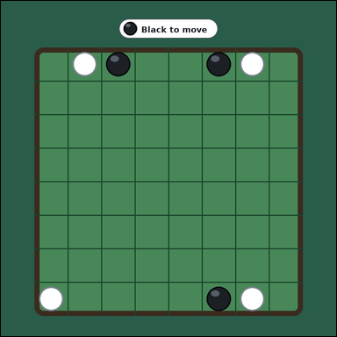 | 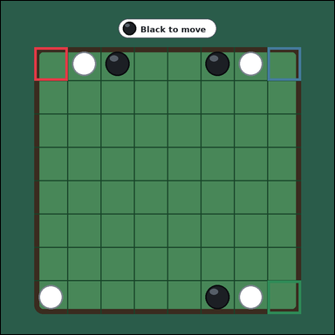 | task_games_reversi_move_count | corner_move_count | You are given a Reversi board image with one face-up 8 by 8 Reversi board with black and white discs on a green table. Read the board and determine the requested value. It is Black's turn. A legal move is an empty square where placing your disc would bracket one or more opponent discs in a straight line between the new disc and another one of your discs. The corner squares are the four outermost board corners. How many corner squares are legal moves for Black? Answer with an integer. Return a valid JSON object with keys "evidence" and "answer" in that order. Evidence requirement: set "evidence" to an array of bounding boxes [x1, y1, x2, y2] for every legal corner move square for the current player. Answer format: set "answer" to the number of legal corner move squares for the current player. Example JSON: {"evidence":[[112,184,176,248],[184,184,248,248]],"answer":2} | You are given a Reversi board image with one face-up 8 by 8 Reversi board with black and white discs on a green table. Read the board and determine the requested value. It is Black's turn. A legal move is an empty square where placing your disc would bracket one or more opponent discs in a straight line between the new disc and another one of your discs. The corner squares are the four outermost board corners. How many corner squares are legal moves for Black? Answer with an integer. Return a valid JSON object with key "answer". Answer requirement: set "answer" to the number of legal corner move squares for the current player. Example JSON: {"answer":2} | {"evidence": [[90.0, 125.0, 180.0, 215.0], [720.0, 125.0, 810.0, 215.0], [720.0, 755.0, 810.0, 845.0]], "answer": 3} | [[90.0, 125.0, 180.0, 215.0], [720.0, 125.0, 810.0, 215.0], [720.0, 755.0, 810.0, 845.0]] | integer | bbox_set | 5.60196667E+15 | games/task_games_reversi_move_count/images/corner_move_count/0011.png | games/task_games_reversi_move_count/data/corner_move_count/0011.json
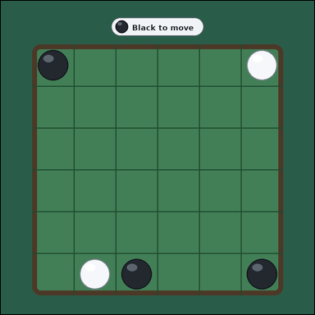 | 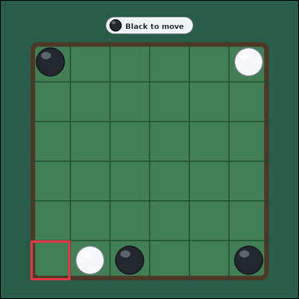 | task_games_reversi_move_count | corner_move_count | Use the visible Reversi board state in the image. It shows one face-up 6 by 6 Reversi board with black and white discs on a green table. Read the board and determine the requested value. It is Black's turn. A legal move is an empty square where placing your disc would bracket one or more opponent discs in a straight line between the new disc and another one of your discs. The corner squares are the four outermost board corners. Determine how many legal moves for Black lie on corners. Answer with an integer. Return a valid JSON object with keys "evidence" and "answer" in that order. Evidence format: set "evidence" to an array of bounding boxes [x1, y1, x2, y2] for every legal corner move square for the current player. Answer requirement: set "answer" to the number of legal corner move squares for the current player. Example JSON: {"evidence":[[112,184,176,248],[184,184,248,248]],"answer":2} | Use the visible Reversi board state in the image. It shows one face-up 6 by 6 Reversi board with black and white discs on a green table. Read the board and determine the requested value. It is Black's turn. A legal move is an empty square where placing your disc would bracket one or more opponent discs in a straight line between the new disc and another one of your discs. The corner squares are the four outermost board corners. Determine how many legal moves for Black lie on corners. Answer with an integer. Return a valid JSON object with key "answer". Answer rule: set "answer" to the number of legal corner move squares for the current player. Example JSON: {"answer":2} | {"evidence": [[90.0, 725.0, 210.0, 845.0]], "answer": 1} | [[90.0, 725.0, 210.0, 845.0]] | integer | bbox_set | 5.8147543001E+15 | games/task_games_reversi_move_count/images/corner_move_count/0001.png | games/task_games_reversi_move_count/data/corner_move_count/0001.json
 |  | task_games_reversi_move_count | corner_move_count | Look at the visible Reversi board in the image. It shows one face-up 8 by 8 Reversi board with black and white discs on a green table. Answer the question using the visible board state. It is White's turn. A legal move is an empty square where placing your disc would bracket one or more opponent discs in a straight line between the new disc and another one of your discs. The corner squares are the four outermost board corners. How many corner squares are legal moves for White? Answer with an integer. Return a valid JSON object with keys "evidence" and "answer" in that order. Evidence requirement: set "evidence" to an array of bounding boxes [x1, y1, x2, y2] for every legal corner move square for the current player. Answer format: set "answer" to the number of legal corner move squares for the current player. Example JSON: {"evidence":[[112,184,176,248],[184,184,248,248]],"answer":2} | Look at the visible Reversi board in the image. It shows one face-up 8 by 8 Reversi board with black and white discs on a green table. Answer the question using the visible board state. It is White's turn. A legal move is an empty square where placing your disc would bracket one or more opponent discs in a straight line between the new disc and another one of your discs. The corner squares are the four outermost board corners. How many corner squares are legal moves for White? Answer with an integer. Return a valid JSON object with key "answer". Answer: set "answer" to the number of legal corner move squares for the current player. Example JSON: {"answer":2} | {"evidence": [[90.0, 125.0, 180.0, 215.0], [720.0, 125.0, 810.0, 215.0], [90.0, 755.0, 180.0, 845.0], [720.0, 755.0, 810.0, 845.0]], "answer": 4} | [[90.0, 125.0, 180.0, 215.0], [720.0, 125.0, 810.0, 215.0], [90.0, 755.0, 180.0, 845.0], [720.0, 755.0, 810.0, 845.0]] | integer | bbox_set | 6.6511016771E+15 | games/task_games_reversi_move_count/images/corner_move_count/0022.png | games/task_games_reversi_move_count/data/corner_move_count/0022.json
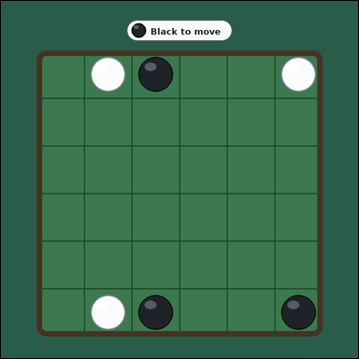 | 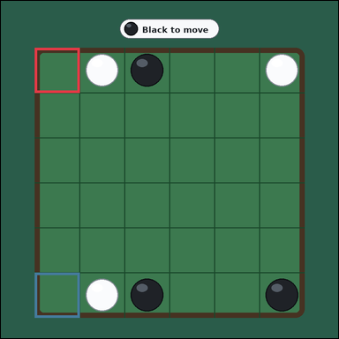 | task_games_reversi_move_count | corner_move_count | Work from the Reversi position shown in the image: one face-up 6 by 6 Reversi board with black and white discs on a green table. Read the board and determine the requested value. It is Black's turn. A legal move is an empty square where placing your disc would bracket one or more opponent discs in a straight line between the new disc and another one of your discs. The corner squares are the four outermost board corners. Count the legal corner moves available to Black. Answer with an integer. Return a valid JSON object with keys "evidence" and "answer" in that order. Evidence requirement: set "evidence" to an array of bounding boxes [x1, y1, x2, y2] for every legal corner move square for the current player. Answer format: set "answer" to the number of legal corner move squares for the current player. Example JSON: {"evidence":[[112,184,176,248],[184,184,248,248]],"answer":2} | Work from the Reversi position shown in the image: one face-up 6 by 6 Reversi board with black and white discs on a green table. Read the board and determine the requested value. It is Black's turn. A legal move is an empty square where placing your disc would bracket one or more opponent discs in a straight line between the new disc and another one of your discs. The corner squares are the four outermost board corners. Count the legal corner moves available to Black. Answer with an integer. Return a valid JSON object with key "answer". Answer requirement: set "answer" to the number of legal corner move squares for the current player. Example JSON: {"answer":2} | {"evidence": [[90.0, 125.0, 210.0, 245.0], [90.0, 725.0, 210.0, 845.0]], "answer": 2} | [[90.0, 125.0, 210.0, 245.0], [90.0, 725.0, 210.0, 845.0]] | integer | bbox_set | 7.5096913339E+15 | games/task_games_reversi_move_count/images/corner_move_count/0015.png | games/task_games_reversi_move_count/data/corner_move_count/0015.json
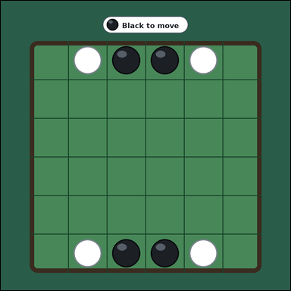 | 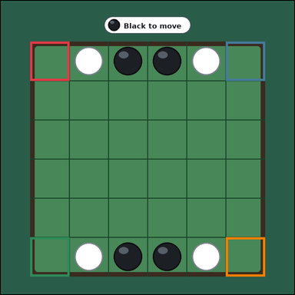 | task_games_reversi_move_count | corner_move_count | You are given a Reversi board image with one face-up 6 by 6 Reversi board with black and white discs on a green table. Use the displayed Reversi state to determine the requested count. It is Black's turn. A legal move is an empty square where placing your disc would bracket one or more opponent discs in a straight line between the new disc and another one of your discs. The corner squares are the four outermost board corners. How many corner squares are legal moves for Black? Answer with an integer. Return a valid JSON object with keys "evidence" and "answer" in that order. Evidence rule: set "evidence" to an array of bounding boxes [x1, y1, x2, y2] for every legal corner move square for the current player. Answer rule: set "answer" to the number of legal corner move squares for the current player. Example JSON: {"evidence":[[112,184,176,248],[184,184,248,248]],"answer":2} | You are given a Reversi board image with one face-up 6 by 6 Reversi board with black and white discs on a green table. Use the displayed Reversi state to determine the requested count. It is Black's turn. A legal move is an empty square where placing your disc would bracket one or more opponent discs in a straight line between the new disc and another one of your discs. The corner squares are the four outermost board corners. How many corner squares are legal moves for Black? Answer with an integer. Return a valid JSON object with key "answer". Answer requirement: set "answer" to the number of legal corner move squares for the current player. Example JSON: {"answer":2} | {"evidence": [[90.0, 125.0, 210.0, 245.0], [690.0, 125.0, 810.0, 245.0], [90.0, 725.0, 210.0, 845.0], [690.0, 725.0, 810.0, 845.0]], "answer": 4} | [[90.0, 125.0, 210.0, 245.0], [690.0, 125.0, 810.0, 245.0], [90.0, 725.0, 210.0, 845.0], [690.0, 725.0, 810.0, 845.0]] | integer | bbox_set | 7.5434052359E+15 | games/task_games_reversi_move_count/images/corner_move_count/0008.png | games/task_games_reversi_move_count/data/corner_move_count/0008.json
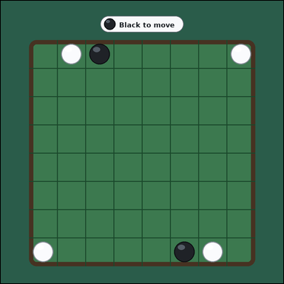 | 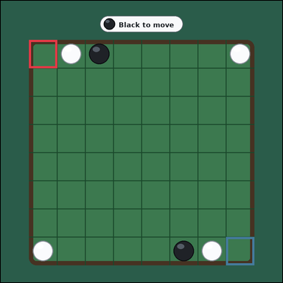 | task_games_reversi_move_count | corner_move_count | Look at the visible Reversi board in the image. It shows one face-up 8 by 8 Reversi board with black and white discs on a green table. Determine the requested move value from the visible board. It is Black's turn. A legal move is an empty square where placing your disc would bracket one or more opponent discs in a straight line between the new disc and another one of your discs. The corner squares are the four outermost board corners. Count the legal corner moves available to Black. Answer with an integer. Return a valid JSON object with keys "evidence" and "answer" in that order. Evidence format: set "evidence" to an array of bounding boxes [x1, y1, x2, y2] for every legal corner move square for the current player. Answer requirement: set "answer" to the number of legal corner move squares for the current player. Example JSON: {"evidence":[[112,184,176,248],[184,184,248,248]],"answer":2} | Look at the visible Reversi board in the image. It shows one face-up 8 by 8 Reversi board with black and white discs on a green table. Determine the requested move value from the visible board. It is Black's turn. A legal move is an empty square where placing your disc would bracket one or more opponent discs in a straight line between the new disc and another one of your discs. The corner squares are the four outermost board corners. Count the legal corner moves available to Black. Answer with an integer. Return a valid JSON object with key "answer". Answer: set "answer" to the number of legal corner move squares for the current player. Example JSON: {"answer":2} | {"evidence": [[90.0, 125.0, 180.0, 215.0], [720.0, 755.0, 810.0, 845.0]], "answer": 2} | [[90.0, 125.0, 180.0, 215.0], [720.0, 755.0, 810.0, 845.0]] | integer | bbox_set | 7.5728011676E+15 | games/task_games_reversi_move_count/images/corner_move_count/0004.png | games/task_games_reversi_move_count/data/corner_move_count/0004.json
 |  | task_games_reversi_move_count | corner_move_count | Look at the visible Reversi board in the image. It shows one face-up 6 by 6 Reversi board with black and white discs on a green table. Read the board and determine the requested value. It is Black's turn. A legal move is an empty square where placing your disc would bracket one or more opponent discs in a straight line between the new disc and another one of your discs. The corner squares are the four outermost board corners. Count the legal corner moves available to Black. Answer with an integer. Return a valid JSON object with keys "evidence" and "answer" in that order. Evidence format: set "evidence" to an array of bounding boxes [x1, y1, x2, y2] for every legal corner move square for the current player. Answer requirement: set "answer" to the number of legal corner move squares for the current player. Example JSON: {"evidence":[[112,184,176,248],[184,184,248,248]],"answer":2} | Look at the visible Reversi board in the image. It shows one face-up 6 by 6 Reversi board with black and white discs on a green table. Read the board and determine the requested value. It is Black's turn. A legal move is an empty square where placing your disc would bracket one or more opponent discs in a straight line between the new disc and another one of your discs. The corner squares are the four outermost board corners. Count the legal corner moves available to Black. Answer with an integer. Return a valid JSON object with key "answer". Answer format: set "answer" to the number of legal corner move squares for the current player. Example JSON: {"answer":2} | {"evidence": [[90.0, 125.0, 210.0, 245.0], [690.0, 125.0, 810.0, 245.0], [90.0, 725.0, 210.0, 845.0], [690.0, 725.0, 810.0, 845.0]], "answer": 4} | [[90.0, 125.0, 210.0, 245.0], [690.0, 125.0, 810.0, 245.0], [90.0, 725.0, 210.0, 845.0], [690.0, 725.0, 810.0, 845.0]] | integer | bbox_set | 7.9033517133E+15 | games/task_games_reversi_move_count/images/corner_move_count/0017.png | games/task_games_reversi_move_count/data/corner_move_count/0017.json
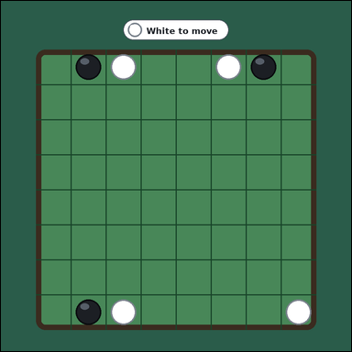 | 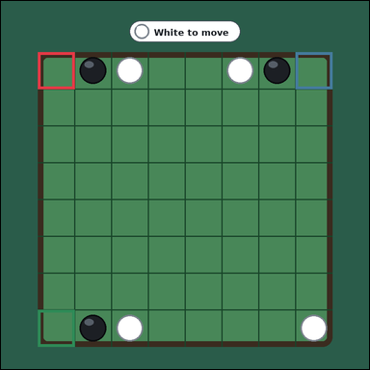 | task_games_reversi_move_count | corner_move_count | Work from the Reversi position shown in the image: one face-up 8 by 8 Reversi board with black and white discs on a green table. Work from the shown Reversi position to answer the question. It is White's turn. A legal move is an empty square where placing your disc would bracket one or more opponent discs in a straight line between the new disc and another one of your discs. The corner squares are the four outermost board corners. What is the number of legal corner squares for White? Answer with an integer. Return a valid JSON object with keys "evidence" and "answer" in that order. Evidence field: set "evidence" to an array of bounding boxes [x1, y1, x2, y2] for every legal corner move square for the current player. Answer field: set "answer" to the number of legal corner move squares for the current player. Example JSON: {"evidence":[[112,184,176,248],[184,184,248,248]],"answer":2} | Work from the Reversi position shown in the image: one face-up 8 by 8 Reversi board with black and white discs on a green table. Work from the shown Reversi position to answer the question. It is White's turn. A legal move is an empty square where placing your disc would bracket one or more opponent discs in a straight line between the new disc and another one of your discs. The corner squares are the four outermost board corners. What is the number of legal corner squares for White? Answer with an integer. Return a valid JSON object with key "answer". Answer field: set "answer" to the number of legal corner move squares for the current player. Example JSON: {"answer":2} | {"evidence": [[90.0, 125.0, 180.0, 215.0], [720.0, 125.0, 810.0, 215.0], [90.0, 755.0, 180.0, 845.0]], "answer": 3} | [[90.0, 125.0, 180.0, 215.0], [720.0, 125.0, 810.0, 215.0], [90.0, 755.0, 180.0, 845.0]] | integer | bbox_set | 8.016211592E+15 | games/task_games_reversi_move_count/images/corner_move_count/0010.png | games/task_games_reversi_move_count/data/corner_move_count/0010.json
 |  | task_games_reversi_move_count | corner_move_count | The image shows one face-up 8 by 8 Reversi board with black and white discs on a green table. Read the board and determine the requested value. It is Black's turn. A legal move is an empty square where placing your disc would bracket one or more opponent discs in a straight line between the new disc and another one of your discs. The corner squares are the four outermost board corners. How many corner squares are legal moves for Black? Answer with an integer. Return a valid JSON object with keys "evidence" and "answer" in that order. Evidence format: set "evidence" to an array of bounding boxes [x1, y1, x2, y2] for every legal corner move square for the current player. Answer requirement: set "answer" to the number of legal corner move squares for the current player. Example JSON: {"evidence":[[112,184,176,248],[184,184,248,248]],"answer":2} | The image shows one face-up 8 by 8 Reversi board with black and white discs on a green table. Read the board and determine the requested value. It is Black's turn. A legal move is an empty square where placing your disc would bracket one or more opponent discs in a straight line between the new disc and another one of your discs. The corner squares are the four outermost board corners. How many corner squares are legal moves for Black? Answer with an integer. Return a valid JSON object with key "answer". Answer: set "answer" to the number of legal corner move squares for the current player. Example JSON: {"answer":2} | {"evidence": [], "answer": 0} | [] | integer | bbox_set | 8.514987319E+15 | games/task_games_reversi_move_count/images/corner_move_count/0012.png | games/task_games_reversi_move_count/data/corner_move_count/0012.json
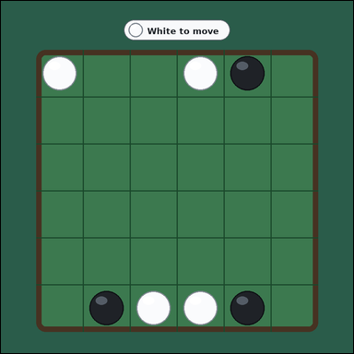 | 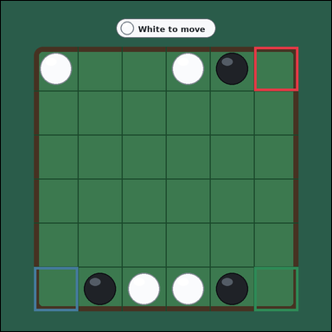 | task_games_reversi_move_count | corner_move_count | Work from the Reversi position shown in the image: one face-up 6 by 6 Reversi board with black and white discs on a green table. Read the board and determine the requested value. It is White's turn. A legal move is an empty square where placing your disc would bracket one or more opponent discs in a straight line between the new disc and another one of your discs. The corner squares are the four outermost board corners. What is the number of legal corner squares for White? Answer with an integer. Return a valid JSON object with keys "evidence" and "answer" in that order. Evidence rule: set "evidence" to an array of bounding boxes [x1, y1, x2, y2] for every legal corner move square for the current player. Answer rule: set "answer" to the number of legal corner move squares for the current player. Example JSON: {"evidence":[[112,184,176,248],[184,184,248,248]],"answer":2} | Work from the Reversi position shown in the image: one face-up 6 by 6 Reversi board with black and white discs on a green table. Read the board and determine the requested value. It is White's turn. A legal move is an empty square where placing your disc would bracket one or more opponent discs in a straight line between the new disc and another one of your discs. The corner squares are the four outermost board corners. What is the number of legal corner squares for White? Answer with an integer. Return a valid JSON object with key "answer". Answer format: set "answer" to the number of legal corner move squares for the current player. Example JSON: {"answer":2} | {"evidence": [[690.0, 125.0, 810.0, 245.0], [90.0, 725.0, 210.0, 845.0], [690.0, 725.0, 810.0, 845.0]], "answer": 3} | [[690.0, 125.0, 810.0, 245.0], [90.0, 725.0, 210.0, 845.0], [690.0, 725.0, 810.0, 845.0]] | integer | bbox_set | 8.8363706864E+15 | games/task_games_reversi_move_count/images/corner_move_count/0002.png | games/task_games_reversi_move_count/data/corner_move_count/0002.json

flip_count_for_marked_move
image | evidence_image | task | task_variant | prompt | prompt_answer_only | answer | answer_evidence | answer_type | evidence_type | instance_seed | image_path | data_path
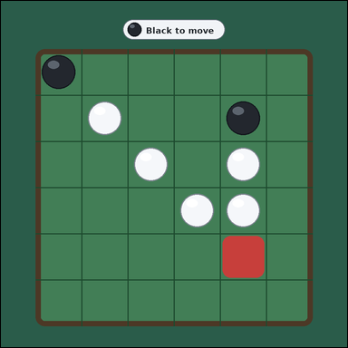 | 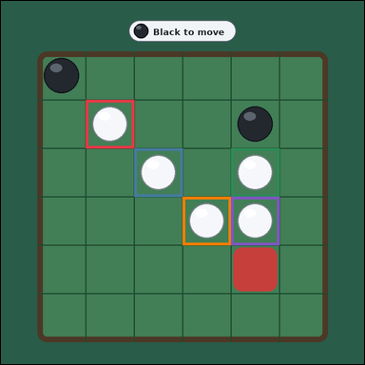 | task_games_reversi_move_count | flip_count_for_marked_move | You are given a Reversi board image with one face-up 6 by 6 Reversi board with black and white discs on a green table. Use the displayed Reversi state to determine the requested count. It is Black's turn. A legal move is an empty square where placing your disc would bracket one or more opponent discs in a straight line between the new disc and another one of your discs. The red outlined empty square is the marked move. If the marked move is legal, every bracketed opponent disc in every straight line flips to the current player's color. Determine how many discs would flip if Black plays on the marked square. Answer with an integer. Return a valid JSON object with keys "evidence" and "answer" in that order. Evidence: set "evidence" to an array of bounding boxes [x1, y1, x2, y2] for every board square containing a disc that would flip if the marked move is played. Answer: set "answer" to the number of discs that would flip if the marked move is played. Example JSON: {"evidence":[[112,184,176,248],[184,184,248,248],[256,184,320,248]],"answer":3} | You are given a Reversi board image with one face-up 6 by 6 Reversi board with black and white discs on a green table. Use the displayed Reversi state to determine the requested count. It is Black's turn. A legal move is an empty square where placing your disc would bracket one or more opponent discs in a straight line between the new disc and another one of your discs. The red outlined empty square is the marked move. If the marked move is legal, every bracketed opponent disc in every straight line flips to the current player's color. Determine how many discs would flip if Black plays on the marked square. Answer with an integer. Return a valid JSON object with key "answer". Answer requirement: set "answer" to the number of discs that would flip if the marked move is played. Example JSON: {"answer":3} | {"evidence": [[210.0, 245.0, 330.0, 365.0], [330.0, 365.0, 450.0, 485.0], [570.0, 365.0, 690.0, 485.0], [450.0, 485.0, 570.0, 605.0], [570.0, 485.0, 690.0, 605.0]], "answer": 5} | [[210.0, 245.0, 330.0, 365.0], [330.0, 365.0, 450.0, 485.0], [570.0, 365.0, 690.0, 485.0], [450.0, 485.0, 570.0, 605.0], [570.0, 485.0, 690.0, 605.0]] | integer | bbox_set | 819139310284692 | games/task_games_reversi_move_count/images/flip_count_for_marked_move/0007.png | games/task_games_reversi_move_count/data/flip_count_for_marked_move/0007.json
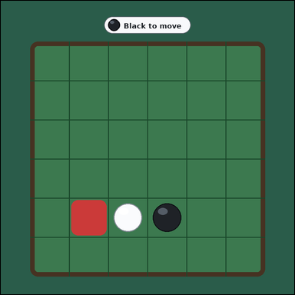 |  | task_games_reversi_move_count | flip_count_for_marked_move | Work from the Reversi position shown in the image: one face-up 6 by 6 Reversi board with black and white discs on a green table. Answer the question using the visible board state. It is Black's turn. A legal move is an empty square where placing your disc would bracket one or more opponent discs in a straight line between the new disc and another one of your discs. The red outlined empty square is the marked move. If the marked move is legal, every bracketed opponent disc in every straight line flips to the current player's color. Determine how many discs would flip if Black plays on the marked square. Answer with an integer. Return a valid JSON object with keys "evidence" and "answer" in that order. Evidence format: set "evidence" to an array of bounding boxes [x1, y1, x2, y2] for every board square containing a disc that would flip if the marked move is played. Answer requirement: set "answer" to the number of discs that would flip if the marked move is played. Example JSON: {"evidence":[[112,184,176,248],[184,184,248,248],[256,184,320,248]],"answer":3} | Work from the Reversi position shown in the image: one face-up 6 by 6 Reversi board with black and white discs on a green table. Answer the question using the visible board state. It is Black's turn. A legal move is an empty square where placing your disc would bracket one or more opponent discs in a straight line between the new disc and another one of your discs. The red outlined empty square is the marked move. If the marked move is legal, every bracketed opponent disc in every straight line flips to the current player's color. Determine how many discs would flip if Black plays on the marked square. Answer with an integer. Return a valid JSON object with key "answer". Answer: set "answer" to the number of discs that would flip if the marked move is played. Example JSON: {"answer":3} | {"evidence": [[330.0, 605.0, 450.0, 725.0]], "answer": 1} | [[330.0, 605.0, 450.0, 725.0]] | integer | bbox_set | 1.128124974E+15 | games/task_games_reversi_move_count/images/flip_count_for_marked_move/0008.png | games/task_games_reversi_move_count/data/flip_count_for_marked_move/0008.json
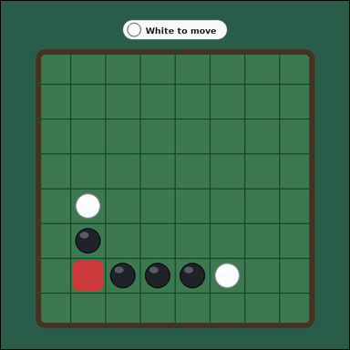 | 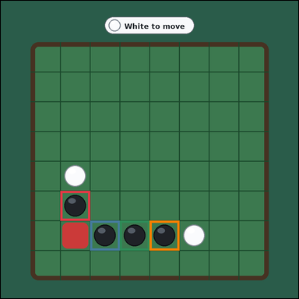 | task_games_reversi_move_count | flip_count_for_marked_move | Use the visible Reversi board state in the image. It shows one face-up 8 by 8 Reversi board with black and white discs on a green table. Read the board and determine the requested value. It is White's turn. A legal move is an empty square where placing your disc would bracket one or more opponent discs in a straight line between the new disc and another one of your discs. The red outlined empty square is the marked move. If the marked move is legal, every bracketed opponent disc in every straight line flips to the current player's color. Count the discs that would flip if White plays the marked move. Answer with an integer. Return a valid JSON object with keys "evidence" and "answer" in that order. Evidence requirement: set "evidence" to an array of bounding boxes [x1, y1, x2, y2] for every board square containing a disc that would flip if the marked move is played. Answer format: set "answer" to the number of discs that would flip if the marked move is played. Example JSON: {"evidence":[[112,184,176,248],[184,184,248,248],[256,184,320,248]],"answer":3} | Use the visible Reversi board state in the image. It shows one face-up 8 by 8 Reversi board with black and white discs on a green table. Read the board and determine the requested value. It is White's turn. A legal move is an empty square where placing your disc would bracket one or more opponent discs in a straight line between the new disc and another one of your discs. The red outlined empty square is the marked move. If the marked move is legal, every bracketed opponent disc in every straight line flips to the current player's color. Count the discs that would flip if White plays the marked move. Answer with an integer. Return a valid JSON object with key "answer". Answer requirement: set "answer" to the number of discs that would flip if the marked move is played. Example JSON: {"answer":3} | {"evidence": [[180.0, 575.0, 270.0, 665.0], [270.0, 665.0, 360.0, 755.0], [360.0, 665.0, 450.0, 755.0], [450.0, 665.0, 540.0, 755.0]], "answer": 4} | [[180.0, 575.0, 270.0, 665.0], [270.0, 665.0, 360.0, 755.0], [360.0, 665.0, 450.0, 755.0], [450.0, 665.0, 540.0, 755.0]] | integer | bbox_set | 1.1416651854E+15 | games/task_games_reversi_move_count/images/flip_count_for_marked_move/0011.png | games/task_games_reversi_move_count/data/flip_count_for_marked_move/0011.json
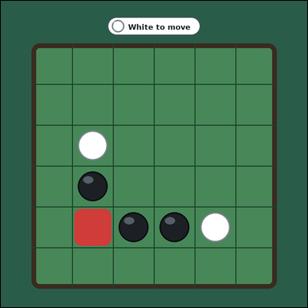 |  | task_games_reversi_move_count | flip_count_for_marked_move | The image shows one face-up 6 by 6 Reversi board with black and white discs on a green table. Read the board and determine the requested value. It is White's turn. A legal move is an empty square where placing your disc would bracket one or more opponent discs in a straight line between the new disc and another one of your discs. The red outlined empty square is the marked move. If the marked move is legal, every bracketed opponent disc in every straight line flips to the current player's color. Count the discs that would flip if White plays the marked move. Answer with an integer. Return a valid JSON object with keys "evidence" and "answer" in that order. Evidence rule: set "evidence" to an array of bounding boxes [x1, y1, x2, y2] for every board square containing a disc that would flip if the marked move is played. Answer rule: set "answer" to the number of discs that would flip if the marked move is played. Example JSON: {"evidence":[[112,184,176,248],[184,184,248,248],[256,184,320,248]],"answer":3} | The image shows one face-up 6 by 6 Reversi board with black and white discs on a green table. Read the board and determine the requested value. It is White's turn. A legal move is an empty square where placing your disc would bracket one or more opponent discs in a straight line between the new disc and another one of your discs. The red outlined empty square is the marked move. If the marked move is legal, every bracketed opponent disc in every straight line flips to the current player's color. Count the discs that would flip if White plays the marked move. Answer with an integer. Return a valid JSON object with key "answer". Answer format: set "answer" to the number of discs that would flip if the marked move is played. Example JSON: {"answer":3} | {"evidence": [[210.0, 485.0, 330.0, 605.0], [330.0, 605.0, 450.0, 725.0], [450.0, 605.0, 570.0, 725.0]], "answer": 3} | [[210.0, 485.0, 330.0, 605.0], [330.0, 605.0, 450.0, 725.0], [450.0, 605.0, 570.0, 725.0]] | integer | bbox_set | 1.9485114466E+15 | games/task_games_reversi_move_count/images/flip_count_for_marked_move/0000.png | games/task_games_reversi_move_count/data/flip_count_for_marked_move/0000.json
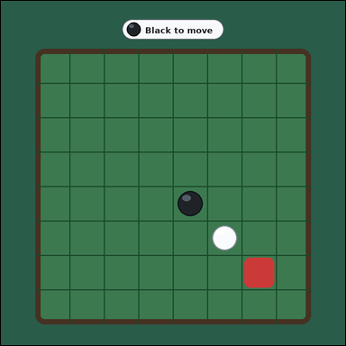 |  | task_games_reversi_move_count | flip_count_for_marked_move | Look at the visible Reversi board in the image. It shows one face-up 8 by 8 Reversi board with black and white discs on a green table. Determine the requested move value from the visible board. It is Black's turn. A legal move is an empty square where placing your disc would bracket one or more opponent discs in a straight line between the new disc and another one of your discs. The red outlined empty square is the marked move. If the marked move is legal, every bracketed opponent disc in every straight line flips to the current player's color. What is the number of discs that would change color if the marked move is played? Answer with an integer. Return a valid JSON object with keys "evidence" and "answer" in that order. Evidence requirement: set "evidence" to an array of bounding boxes [x1, y1, x2, y2] for every board square containing a disc that would flip if the marked move is played. Answer format: set "answer" to the number of discs that would flip if the marked move is played. Example JSON: {"evidence":[[112,184,176,248],[184,184,248,248],[256,184,320,248]],"answer":3} | Look at the visible Reversi board in the image. It shows one face-up 8 by 8 Reversi board with black and white discs on a green table. Determine the requested move value from the visible board. It is Black's turn. A legal move is an empty square where placing your disc would bracket one or more opponent discs in a straight line between the new disc and another one of your discs. The red outlined empty square is the marked move. If the marked move is legal, every bracketed opponent disc in every straight line flips to the current player's color. What is the number of discs that would change color if the marked move is played? Answer with an integer. Return a valid JSON object with key "answer". Answer field: set "answer" to the number of discs that would flip if the marked move is played. Example JSON: {"answer":3} | {"evidence": [[540.0, 575.0, 630.0, 665.0]], "answer": 1} | [[540.0, 575.0, 630.0, 665.0]] | integer | bbox_set | 1.9581588218E+15 | games/task_games_reversi_move_count/images/flip_count_for_marked_move/0020.png | games/task_games_reversi_move_count/data/flip_count_for_marked_move/0020.json
 |  | task_games_reversi_move_count | flip_count_for_marked_move | Use the visible Reversi board state in the image. It shows one face-up 6 by 6 Reversi board with black and white discs on a green table. Use the displayed Reversi state to determine the requested count. It is Black's turn. A legal move is an empty square where placing your disc would bracket one or more opponent discs in a straight line between the new disc and another one of your discs. The red outlined empty square is the marked move. If the marked move is legal, every bracketed opponent disc in every straight line flips to the current player's color. Count the discs that would flip if Black plays the marked move. Answer with an integer. Return a valid JSON object with keys "evidence" and "answer" in that order. Evidence: set "evidence" to an array of bounding boxes [x1, y1, x2, y2] for every board square containing a disc that would flip if the marked move is played. Answer: set "answer" to the number of discs that would flip if the marked move is played. Example JSON: {"evidence":[[112,184,176,248],[184,184,248,248],[256,184,320,248]],"answer":3} | Use the visible Reversi board state in the image. It shows one face-up 6 by 6 Reversi board with black and white discs on a green table. Use the displayed Reversi state to determine the requested count. It is Black's turn. A legal move is an empty square where placing your disc would bracket one or more opponent discs in a straight line between the new disc and another one of your discs. The red outlined empty square is the marked move. If the marked move is legal, every bracketed opponent disc in every straight line flips to the current player's color. Count the discs that would flip if Black plays the marked move. Answer with an integer. Return a valid JSON object with key "answer". Answer rule: set "answer" to the number of discs that would flip if the marked move is played. Example JSON: {"answer":3} | {"evidence": [[450.0, 245.0, 570.0, 365.0]], "answer": 1} | [[450.0, 245.0, 570.0, 365.0]] | integer | bbox_set | 2.0188553859E+15 | games/task_games_reversi_move_count/images/flip_count_for_marked_move/0003.png | games/task_games_reversi_move_count/data/flip_count_for_marked_move/0003.json
 |  | task_games_reversi_move_count | flip_count_for_marked_move | Work from the Reversi position shown in the image: one face-up 6 by 6 Reversi board with black and white discs on a green table. Use the displayed Reversi state to determine the requested count. It is Black's turn. A legal move is an empty square where placing your disc would bracket one or more opponent discs in a straight line between the new disc and another one of your discs. The red outlined empty square is the marked move. If the marked move is legal, every bracketed opponent disc in every straight line flips to the current player's color. How many opponent discs would flip after the marked move? Answer with an integer. Return a valid JSON object with keys "evidence" and "answer" in that order. Evidence: set "evidence" to an array of bounding boxes [x1, y1, x2, y2] for every board square containing a disc that would flip if the marked move is played. Answer: set "answer" to the number of discs that would flip if the marked move is played. Example JSON: {"evidence":[[112,184,176,248],[184,184,248,248],[256,184,320,248]],"answer":3} | Work from the Reversi position shown in the image: one face-up 6 by 6 Reversi board with black and white discs on a green table. Use the displayed Reversi state to determine the requested count. It is Black's turn. A legal move is an empty square where placing your disc would bracket one or more opponent discs in a straight line between the new disc and another one of your discs. The red outlined empty square is the marked move. If the marked move is legal, every bracketed opponent disc in every straight line flips to the current player's color. How many opponent discs would flip after the marked move? Answer with an integer. Return a valid JSON object with key "answer". Answer requirement: set "answer" to the number of discs that would flip if the marked move is played. Example JSON: {"answer":3} | {"evidence": [[570.0, 485.0, 690.0, 605.0]], "answer": 1} | [[570.0, 485.0, 690.0, 605.0]] | integer | bbox_set | 2.4348780975E+15 | games/task_games_reversi_move_count/images/flip_count_for_marked_move/0017.png | games/task_games_reversi_move_count/data/flip_count_for_marked_move/0017.json
 |  | task_games_reversi_move_count | flip_count_for_marked_move | You are given a Reversi board image with one face-up 6 by 6 Reversi board with black and white discs on a green table. Use the displayed Reversi state to determine the requested count. It is White's turn. A legal move is an empty square where placing your disc would bracket one or more opponent discs in a straight line between the new disc and another one of your discs. The red outlined empty square is the marked move. If the marked move is legal, every bracketed opponent disc in every straight line flips to the current player's color. Determine how many discs would flip if White plays on the marked square. Answer with an integer. Return a valid JSON object with keys "evidence" and "answer" in that order. Evidence field: set "evidence" to an array of bounding boxes [x1, y1, x2, y2] for every board square containing a disc that would flip if the marked move is played. Answer field: set "answer" to the number of discs that would flip if the marked move is played. Example JSON: {"evidence":[[112,184,176,248],[184,184,248,248],[256,184,320,248]],"answer":3} | You are given a Reversi board image with one face-up 6 by 6 Reversi board with black and white discs on a green table. Use the displayed Reversi state to determine the requested count. It is White's turn. A legal move is an empty square where placing your disc would bracket one or more opponent discs in a straight line between the new disc and another one of your discs. The red outlined empty square is the marked move. If the marked move is legal, every bracketed opponent disc in every straight line flips to the current player's color. Determine how many discs would flip if White plays on the marked square. Answer with an integer. Return a valid JSON object with key "answer". Answer rule: set "answer" to the number of discs that would flip if the marked move is played. Example JSON: {"answer":3} | {"evidence": [[330.0, 245.0, 450.0, 365.0], [450.0, 245.0, 570.0, 365.0], [570.0, 245.0, 690.0, 365.0], [330.0, 365.0, 450.0, 485.0], [450.0, 485.0, 570.0, 605.0]], "answer": 5} | [[330.0, 245.0, 450.0, 365.0], [450.0, 245.0, 570.0, 365.0], [570.0, 245.0, 690.0, 365.0], [330.0, 365.0, 450.0, 485.0], [450.0, 485.0, 570.0, 605.0]] | integer | bbox_set | 3.0888758676E+15 | games/task_games_reversi_move_count/images/flip_count_for_marked_move/0019.png | games/task_games_reversi_move_count/data/flip_count_for_marked_move/0019.json
 |  | task_games_reversi_move_count | flip_count_for_marked_move | Look at the visible Reversi board in the image. It shows one face-up 6 by 6 Reversi board with black and white discs on a green table. Use the displayed Reversi state to determine the requested count. It is White's turn. A legal move is an empty square where placing your disc would bracket one or more opponent discs in a straight line between the new disc and another one of your discs. The red outlined empty square is the marked move. If the marked move is legal, every bracketed opponent disc in every straight line flips to the current player's color. Determine how many discs would flip if White plays on the marked square. Answer with an integer. Return a valid JSON object with keys "evidence" and "answer" in that order. Evidence format: set "evidence" to an array of bounding boxes [x1, y1, x2, y2] for every board square containing a disc that would flip if the marked move is played. Answer requirement: set "answer" to the number of discs that would flip if the marked move is played. Example JSON: {"evidence":[[112,184,176,248],[184,184,248,248],[256,184,320,248]],"answer":3} | Look at the visible Reversi board in the image. It shows one face-up 6 by 6 Reversi board with black and white discs on a green table. Use the displayed Reversi state to determine the requested count. It is White's turn. A legal move is an empty square where placing your disc would bracket one or more opponent discs in a straight line between the new disc and another one of your discs. The red outlined empty square is the marked move. If the marked move is legal, every bracketed opponent disc in every straight line flips to the current player's color. Determine how many discs would flip if White plays on the marked square. Answer with an integer. Return a valid JSON object with key "answer". Answer: set "answer" to the number of discs that would flip if the marked move is played. Example JSON: {"answer":3} | {"evidence": [[330.0, 245.0, 450.0, 365.0], [450.0, 245.0, 570.0, 365.0], [570.0, 365.0, 690.0, 485.0]], "answer": 3} | [[330.0, 245.0, 450.0, 365.0], [450.0, 245.0, 570.0, 365.0], [570.0, 365.0, 690.0, 485.0]] | integer | bbox_set | 3.3262629795E+15 | games/task_games_reversi_move_count/images/flip_count_for_marked_move/0024.png | games/task_games_reversi_move_count/data/flip_count_for_marked_move/0024.json
 |  | task_games_reversi_move_count | flip_count_for_marked_move | The image shows one face-up 8 by 8 Reversi board with black and white discs on a green table. Use the displayed Reversi state to determine the requested count. It is Black's turn. A legal move is an empty square where placing your disc would bracket one or more opponent discs in a straight line between the new disc and another one of your discs. The red outlined empty square is the marked move. If the marked move is legal, every bracketed opponent disc in every straight line flips to the current player's color. How many opponent discs would flip after the marked move? Answer with an integer. Return a valid JSON object with keys "evidence" and "answer" in that order. Evidence field: set "evidence" to an array of bounding boxes [x1, y1, x2, y2] for every board square containing a disc that would flip if the marked move is played. Answer field: set "answer" to the number of discs that would flip if the marked move is played. Example JSON: {"evidence":[[112,184,176,248],[184,184,248,248],[256,184,320,248]],"answer":3} | The image shows one face-up 8 by 8 Reversi board with black and white discs on a green table. Use the displayed Reversi state to determine the requested count. It is Black's turn. A legal move is an empty square where placing your disc would bracket one or more opponent discs in a straight line between the new disc and another one of your discs. The red outlined empty square is the marked move. If the marked move is legal, every bracketed opponent disc in every straight line flips to the current player's color. How many opponent discs would flip after the marked move? Answer with an integer. Return a valid JSON object with key "answer". Answer field: set "answer" to the number of discs that would flip if the marked move is played. Example JSON: {"answer":3} | {"evidence": [[450.0, 215.0, 540.0, 305.0], [540.0, 215.0, 630.0, 305.0], [540.0, 305.0, 630.0, 395.0], [630.0, 305.0, 720.0, 395.0], [450.0, 395.0, 540.0, 485.0]], "answer": 5} | [[450.0, 215.0, 540.0, 305.0], [540.0, 215.0, 630.0, 305.0], [540.0, 305.0, 630.0, 395.0], [630.0, 305.0, 720.0, 395.0], [450.0, 395.0, 540.0, 485.0]] | integer | bbox_set | 3.4398004007E+15 | games/task_games_reversi_move_count/images/flip_count_for_marked_move/0002.png | games/task_games_reversi_move_count/data/flip_count_for_marked_move/0002.json
 |  | task_games_reversi_move_count | flip_count_for_marked_move | Look at the visible Reversi board in the image. It shows one face-up 8 by 8 Reversi board with black and white discs on a green table. Read the board and determine the requested value. It is Black's turn. A legal move is an empty square where placing your disc would bracket one or more opponent discs in a straight line between the new disc and another one of your discs. The red outlined empty square is the marked move. If the marked move is legal, every bracketed opponent disc in every straight line flips to the current player's color. Count the discs that would flip if Black plays the marked move. Answer with an integer. Return a valid JSON object with keys "evidence" and "answer" in that order. Evidence: set "evidence" to an array of bounding boxes [x1, y1, x2, y2] for every board square containing a disc that would flip if the marked move is played. Answer: set "answer" to the number of discs that would flip if the marked move is played. Example JSON: {"evidence":[[112,184,176,248],[184,184,248,248],[256,184,320,248]],"answer":3} | Look at the visible Reversi board in the image. It shows one face-up 8 by 8 Reversi board with black and white discs on a green table. Read the board and determine the requested value. It is Black's turn. A legal move is an empty square where placing your disc would bracket one or more opponent discs in a straight line between the new disc and another one of your discs. The red outlined empty square is the marked move. If the marked move is legal, every bracketed opponent disc in every straight line flips to the current player's color. Count the discs that would flip if Black plays the marked move. Answer with an integer. Return a valid JSON object with key "answer". Answer field: set "answer" to the number of discs that would flip if the marked move is played. Example JSON: {"answer":3} | {"evidence": [[630.0, 395.0, 720.0, 485.0], [450.0, 485.0, 540.0, 575.0], [630.0, 485.0, 720.0, 575.0], [540.0, 575.0, 630.0, 665.0], [630.0, 575.0, 720.0, 665.0]], "answer": 5} | [[630.0, 395.0, 720.0, 485.0], [450.0, 485.0, 540.0, 575.0], [630.0, 485.0, 720.0, 575.0], [540.0, 575.0, 630.0, 665.0], [630.0, 575.0, 720.0, 665.0]] | integer | bbox_set | 3.4472156402E+15 | games/task_games_reversi_move_count/images/flip_count_for_marked_move/0021.png | games/task_games_reversi_move_count/data/flip_count_for_marked_move/0021.json
 |  | task_games_reversi_move_count | flip_count_for_marked_move | You are given a Reversi board image with one face-up 8 by 8 Reversi board with black and white discs on a green table. Use the displayed Reversi state to determine the requested count. It is Black's turn. A legal move is an empty square where placing your disc would bracket one or more opponent discs in a straight line between the new disc and another one of your discs. The red outlined empty square is the marked move. If the marked move is legal, every bracketed opponent disc in every straight line flips to the current player's color. How many opponent discs would flip after the marked move? Answer with an integer. Return a valid JSON object with keys "evidence" and "answer" in that order. Evidence requirement: set "evidence" to an array of bounding boxes [x1, y1, x2, y2] for every board square containing a disc that would flip if the marked move is played. Answer format: set "answer" to the number of discs that would flip if the marked move is played. Example JSON: {"evidence":[[112,184,176,248],[184,184,248,248],[256,184,320,248]],"answer":3} | You are given a Reversi board image with one face-up 8 by 8 Reversi board with black and white discs on a green table. Use the displayed Reversi state to determine the requested count. It is Black's turn. A legal move is an empty square where placing your disc would bracket one or more opponent discs in a straight line between the new disc and another one of your discs. The red outlined empty square is the marked move. If the marked move is legal, every bracketed opponent disc in every straight line flips to the current player's color. How many opponent discs would flip after the marked move? Answer with an integer. Return a valid JSON object with key "answer". Answer requirement: set "answer" to the number of discs that would flip if the marked move is played. Example JSON: {"answer":3} | {"evidence": [[450.0, 485.0, 540.0, 575.0], [540.0, 575.0, 630.0, 665.0], [360.0, 665.0, 450.0, 755.0], [450.0, 665.0, 540.0, 755.0], [540.0, 665.0, 630.0, 755.0]], "answer": 5} | [[450.0, 485.0, 540.0, 575.0], [540.0, 575.0, 630.0, 665.0], [360.0, 665.0, 450.0, 755.0], [450.0, 665.0, 540.0, 755.0], [540.0, 665.0, 630.0, 755.0]] | integer | bbox_set | 3.7109359897E+15 | games/task_games_reversi_move_count/images/flip_count_for_marked_move/0010.png | games/task_games_reversi_move_count/data/flip_count_for_marked_move/0010.json
 |  | task_games_reversi_move_count | flip_count_for_marked_move | The image shows one face-up 8 by 8 Reversi board with black and white discs on a green table. Work from the shown Reversi position to answer the question. It is Black's turn. A legal move is an empty square where placing your disc would bracket one or more opponent discs in a straight line between the new disc and another one of your discs. The red outlined empty square is the marked move. If the marked move is legal, every bracketed opponent disc in every straight line flips to the current player's color. Determine how many discs would flip if Black plays on the marked square. Answer with an integer. Return a valid JSON object with keys "evidence" and "answer" in that order. Evidence requirement: set "evidence" to an array of bounding boxes [x1, y1, x2, y2] for every board square containing a disc that would flip if the marked move is played. Answer format: set "answer" to the number of discs that would flip if the marked move is played. Example JSON: {"evidence":[[112,184,176,248],[184,184,248,248],[256,184,320,248]],"answer":3} | The image shows one face-up 8 by 8 Reversi board with black and white discs on a green table. Work from the shown Reversi position to answer the question. It is Black's turn. A legal move is an empty square where placing your disc would bracket one or more opponent discs in a straight line between the new disc and another one of your discs. The red outlined empty square is the marked move. If the marked move is legal, every bracketed opponent disc in every straight line flips to the current player's color. Determine how many discs would flip if Black plays on the marked square. Answer with an integer. Return a valid JSON object with key "answer". Answer: set "answer" to the number of discs that would flip if the marked move is played. Example JSON: {"answer":3} | {"evidence": [[270.0, 305.0, 360.0, 395.0]], "answer": 1} | [[270.0, 305.0, 360.0, 395.0]] | integer | bbox_set | 3.7326562717E+15 | games/task_games_reversi_move_count/images/flip_count_for_marked_move/0006.png | games/task_games_reversi_move_count/data/flip_count_for_marked_move/0006.json
 |  | task_games_reversi_move_count | flip_count_for_marked_move | Work from the Reversi position shown in the image: one face-up 8 by 8 Reversi board with black and white discs on a green table. Answer the question using the visible board state. It is Black's turn. A legal move is an empty square where placing your disc would bracket one or more opponent discs in a straight line between the new disc and another one of your discs. The red outlined empty square is the marked move. If the marked move is legal, every bracketed opponent disc in every straight line flips to the current player's color. Count the discs that would flip if Black plays the marked move. Answer with an integer. Return a valid JSON object with keys "evidence" and "answer" in that order. Evidence format: set "evidence" to an array of bounding boxes [x1, y1, x2, y2] for every board square containing a disc that would flip if the marked move is played. Answer requirement: set "answer" to the number of discs that would flip if the marked move is played. Example JSON: {"evidence":[[112,184,176,248],[184,184,248,248],[256,184,320,248]],"answer":3} | Work from the Reversi position shown in the image: one face-up 8 by 8 Reversi board with black and white discs on a green table. Answer the question using the visible board state. It is Black's turn. A legal move is an empty square where placing your disc would bracket one or more opponent discs in a straight line between the new disc and another one of your discs. The red outlined empty square is the marked move. If the marked move is legal, every bracketed opponent disc in every straight line flips to the current player's color. Count the discs that would flip if Black plays the marked move. Answer with an integer. Return a valid JSON object with key "answer". Answer format: set "answer" to the number of discs that would flip if the marked move is played. Example JSON: {"answer":3} | {"evidence": [[540.0, 665.0, 630.0, 755.0]], "answer": 1} | [[540.0, 665.0, 630.0, 755.0]] | integer | bbox_set | 4.2217809005E+15 | games/task_games_reversi_move_count/images/flip_count_for_marked_move/0023.png | games/task_games_reversi_move_count/data/flip_count_for_marked_move/0023.json
 |  | task_games_reversi_move_count | flip_count_for_marked_move | Use the visible Reversi board state in the image. It shows one face-up 6 by 6 Reversi board with black and white discs on a green table. Use the displayed Reversi state to determine the requested count. It is Black's turn. A legal move is an empty square where placing your disc would bracket one or more opponent discs in a straight line between the new disc and another one of your discs. The red outlined empty square is the marked move. If the marked move is legal, every bracketed opponent disc in every straight line flips to the current player's color. Determine how many discs would flip if Black plays on the marked square. Answer with an integer. Return a valid JSON object with keys "evidence" and "answer" in that order. Evidence format: set "evidence" to an array of bounding boxes [x1, y1, x2, y2] for every board square containing a disc that would flip if the marked move is played. Answer requirement: set "answer" to the number of discs that would flip if the marked move is played. Example JSON: {"evidence":[[112,184,176,248],[184,184,248,248],[256,184,320,248]],"answer":3} | Use the visible Reversi board state in the image. It shows one face-up 6 by 6 Reversi board with black and white discs on a green table. Use the displayed Reversi state to determine the requested count. It is Black's turn. A legal move is an empty square where placing your disc would bracket one or more opponent discs in a straight line between the new disc and another one of your discs. The red outlined empty square is the marked move. If the marked move is legal, every bracketed opponent disc in every straight line flips to the current player's color. Determine how many discs would flip if Black plays on the marked square. Answer with an integer. Return a valid JSON object with key "answer". Answer format: set "answer" to the number of discs that would flip if the marked move is played. Example JSON: {"answer":3} | {"evidence": [[330.0, 245.0, 450.0, 365.0], [210.0, 365.0, 330.0, 485.0], [330.0, 365.0, 450.0, 485.0], [210.0, 485.0, 330.0, 605.0], [450.0, 485.0, 570.0, 605.0]], "answer": 5} | [[330.0, 245.0, 450.0, 365.0], [210.0, 365.0, 330.0, 485.0], [330.0, 365.0, 450.0, 485.0], [210.0, 485.0, 330.0, 605.0], [450.0, 485.0, 570.0, 605.0]] | integer | bbox_set | 4.8576436617E+15 | games/task_games_reversi_move_count/images/flip_count_for_marked_move/0005.png | games/task_games_reversi_move_count/data/flip_count_for_marked_move/0005.json
 |  | task_games_reversi_move_count | flip_count_for_marked_move | Use the visible Reversi board state in the image. It shows one face-up 6 by 6 Reversi board with black and white discs on a green table. Determine the requested move value from the visible board. It is White's turn. A legal move is an empty square where placing your disc would bracket one or more opponent discs in a straight line between the new disc and another one of your discs. The red outlined empty square is the marked move. If the marked move is legal, every bracketed opponent disc in every straight line flips to the current player's color. Count the discs that would flip if White plays the marked move. Answer with an integer. Return a valid JSON object with keys "evidence" and "answer" in that order. Evidence requirement: set "evidence" to an array of bounding boxes [x1, y1, x2, y2] for every board square containing a disc that would flip if the marked move is played. Answer format: set "answer" to the number of discs that would flip if the marked move is played. Example JSON: {"evidence":[[112,184,176,248],[184,184,248,248],[256,184,320,248]],"answer":3} | Use the visible Reversi board state in the image. It shows one face-up 6 by 6 Reversi board with black and white discs on a green table. Determine the requested move value from the visible board. It is White's turn. A legal move is an empty square where placing your disc would bracket one or more opponent discs in a straight line between the new disc and another one of your discs. The red outlined empty square is the marked move. If the marked move is legal, every bracketed opponent disc in every straight line flips to the current player's color. Count the discs that would flip if White plays the marked move. Answer with an integer. Return a valid JSON object with key "answer". Answer rule: set "answer" to the number of discs that would flip if the marked move is played. Example JSON: {"answer":3} | {"evidence": [[570.0, 485.0, 690.0, 605.0]], "answer": 1} | [[570.0, 485.0, 690.0, 605.0]] | integer | bbox_set | 5.5389526386E+15 | games/task_games_reversi_move_count/images/flip_count_for_marked_move/0018.png | games/task_games_reversi_move_count/data/flip_count_for_marked_move/0018.json
 |  | task_games_reversi_move_count | flip_count_for_marked_move | Work from the Reversi position shown in the image: one face-up 8 by 8 Reversi board with black and white discs on a green table. Use the displayed Reversi state to determine the requested count. It is Black's turn. A legal move is an empty square where placing your disc would bracket one or more opponent discs in a straight line between the new disc and another one of your discs. The red outlined empty square is the marked move. If the marked move is legal, every bracketed opponent disc in every straight line flips to the current player's color. What is the number of discs that would change color if the marked move is played? Answer with an integer. Return a valid JSON object with keys "evidence" and "answer" in that order. Evidence field: set "evidence" to an array of bounding boxes [x1, y1, x2, y2] for every board square containing a disc that would flip if the marked move is played. Answer field: set "answer" to the number of discs that would flip if the marked move is played. Example JSON: {"evidence":[[112,184,176,248],[184,184,248,248],[256,184,320,248]],"answer":3} | Work from the Reversi position shown in the image: one face-up 8 by 8 Reversi board with black and white discs on a green table. Use the displayed Reversi state to determine the requested count. It is Black's turn. A legal move is an empty square where placing your disc would bracket one or more opponent discs in a straight line between the new disc and another one of your discs. The red outlined empty square is the marked move. If the marked move is legal, every bracketed opponent disc in every straight line flips to the current player's color. What is the number of discs that would change color if the marked move is played? Answer with an integer. Return a valid JSON object with key "answer". Answer requirement: set "answer" to the number of discs that would flip if the marked move is played. Example JSON: {"answer":3} | {"evidence": [[540.0, 305.0, 630.0, 395.0], [630.0, 305.0, 720.0, 395.0], [450.0, 395.0, 540.0, 485.0], [630.0, 395.0, 720.0, 485.0]], "answer": 4} | [[540.0, 305.0, 630.0, 395.0], [630.0, 305.0, 720.0, 395.0], [450.0, 395.0, 540.0, 485.0], [630.0, 395.0, 720.0, 485.0]] | integer | bbox_set | 5.8038755381E+15 | games/task_games_reversi_move_count/images/flip_count_for_marked_move/0016.png | games/task_games_reversi_move_count/data/flip_count_for_marked_move/0016.json
 |  | task_games_reversi_move_count | flip_count_for_marked_move | The image shows one face-up 6 by 6 Reversi board with black and white discs on a green table. Determine the requested move value from the visible board. It is Black's turn. A legal move is an empty square where placing your disc would bracket one or more opponent discs in a straight line between the new disc and another one of your discs. The red outlined empty square is the marked move. If the marked move is legal, every bracketed opponent disc in every straight line flips to the current player's color. Count the discs that would flip if Black plays the marked move. Answer with an integer. Return a valid JSON object with keys "evidence" and "answer" in that order. Evidence: set "evidence" to an array of bounding boxes [x1, y1, x2, y2] for every board square containing a disc that would flip if the marked move is played. Answer: set "answer" to the number of discs that would flip if the marked move is played. Example JSON: {"evidence":[[112,184,176,248],[184,184,248,248],[256,184,320,248]],"answer":3} | The image shows one face-up 6 by 6 Reversi board with black and white discs on a green table. Determine the requested move value from the visible board. It is Black's turn. A legal move is an empty square where placing your disc would bracket one or more opponent discs in a straight line between the new disc and another one of your discs. The red outlined empty square is the marked move. If the marked move is legal, every bracketed opponent disc in every straight line flips to the current player's color. Count the discs that would flip if Black plays the marked move. Answer with an integer. Return a valid JSON object with key "answer". Answer format: set "answer" to the number of discs that would flip if the marked move is played. Example JSON: {"answer":3} | {"evidence": [[450.0, 365.0, 570.0, 485.0], [330.0, 485.0, 450.0, 605.0]], "answer": 2} | [[450.0, 365.0, 570.0, 485.0], [330.0, 485.0, 450.0, 605.0]] | integer | bbox_set | 5.9458400363E+15 | games/task_games_reversi_move_count/images/flip_count_for_marked_move/0022.png | games/task_games_reversi_move_count/data/flip_count_for_marked_move/0022.json
 |  | task_games_reversi_move_count | flip_count_for_marked_move | The image shows one face-up 8 by 8 Reversi board with black and white discs on a green table. Use the displayed Reversi state to determine the requested count. It is White's turn. A legal move is an empty square where placing your disc would bracket one or more opponent discs in a straight line between the new disc and another one of your discs. The red outlined empty square is the marked move. If the marked move is legal, every bracketed opponent disc in every straight line flips to the current player's color. If White plays on the marked square, how many discs flip? Answer with an integer. Return a valid JSON object with keys "evidence" and "answer" in that order. Evidence rule: set "evidence" to an array of bounding boxes [x1, y1, x2, y2] for every board square containing a disc that would flip if the marked move is played. Answer rule: set "answer" to the number of discs that would flip if the marked move is played. Example JSON: {"evidence":[[112,184,176,248],[184,184,248,248],[256,184,320,248]],"answer":3} | The image shows one face-up 8 by 8 Reversi board with black and white discs on a green table. Use the displayed Reversi state to determine the requested count. It is White's turn. A legal move is an empty square where placing your disc would bracket one or more opponent discs in a straight line between the new disc and another one of your discs. The red outlined empty square is the marked move. If the marked move is legal, every bracketed opponent disc in every straight line flips to the current player's color. If White plays on the marked square, how many discs flip? Answer with an integer. Return a valid JSON object with key "answer". Answer rule: set "answer" to the number of discs that would flip if the marked move is played. Example JSON: {"answer":3} | {"evidence": [[450.0, 485.0, 540.0, 575.0], [540.0, 575.0, 630.0, 665.0], [630.0, 575.0, 720.0, 665.0]], "answer": 3} | [[450.0, 485.0, 540.0, 575.0], [540.0, 575.0, 630.0, 665.0], [630.0, 575.0, 720.0, 665.0]] | integer | bbox_set | 6.0777127619E+15 | games/task_games_reversi_move_count/images/flip_count_for_marked_move/0004.png | games/task_games_reversi_move_count/data/flip_count_for_marked_move/0004.json
 |  | task_games_reversi_move_count | flip_count_for_marked_move | You are given a Reversi board image with one face-up 8 by 8 Reversi board with black and white discs on a green table. Work from the shown Reversi position to answer the question. It is Black's turn. A legal move is an empty square where placing your disc would bracket one or more opponent discs in a straight line between the new disc and another one of your discs. The red outlined empty square is the marked move. If the marked move is legal, every bracketed opponent disc in every straight line flips to the current player's color. If Black plays on the marked square, how many discs flip? Answer with an integer. Return a valid JSON object with keys "evidence" and "answer" in that order. Evidence: set "evidence" to an array of bounding boxes [x1, y1, x2, y2] for every board square containing a disc that would flip if the marked move is played. Answer: set "answer" to the number of discs that would flip if the marked move is played. Example JSON: {"evidence":[[112,184,176,248],[184,184,248,248],[256,184,320,248]],"answer":3} | You are given a Reversi board image with one face-up 8 by 8 Reversi board with black and white discs on a green table. Work from the shown Reversi position to answer the question. It is Black's turn. A legal move is an empty square where placing your disc would bracket one or more opponent discs in a straight line between the new disc and another one of your discs. The red outlined empty square is the marked move. If the marked move is legal, every bracketed opponent disc in every straight line flips to the current player's color. If Black plays on the marked square, how many discs flip? Answer with an integer. Return a valid JSON object with key "answer". Answer: set "answer" to the number of discs that would flip if the marked move is played. Example JSON: {"answer":3} | {"evidence": [[270.0, 215.0, 360.0, 305.0], [270.0, 305.0, 360.0, 395.0]], "answer": 2} | [[270.0, 215.0, 360.0, 305.0], [270.0, 305.0, 360.0, 395.0]] | integer | bbox_set | 7.3727998818E+15 | games/task_games_reversi_move_count/images/flip_count_for_marked_move/0015.png | games/task_games_reversi_move_count/data/flip_count_for_marked_move/0015.json
 |  | task_games_reversi_move_count | flip_count_for_marked_move | Work from the Reversi position shown in the image: one face-up 6 by 6 Reversi board with black and white discs on a green table. Work from the shown Reversi position to answer the question. It is White's turn. A legal move is an empty square where placing your disc would bracket one or more opponent discs in a straight line between the new disc and another one of your discs. The red outlined empty square is the marked move. If the marked move is legal, every bracketed opponent disc in every straight line flips to the current player's color. If White plays on the marked square, how many discs flip? Answer with an integer. Return a valid JSON object with keys "evidence" and "answer" in that order. Evidence rule: set "evidence" to an array of bounding boxes [x1, y1, x2, y2] for every board square containing a disc that would flip if the marked move is played. Answer rule: set "answer" to the number of discs that would flip if the marked move is played. Example JSON: {"evidence":[[112,184,176,248],[184,184,248,248],[256,184,320,248]],"answer":3} | Work from the Reversi position shown in the image: one face-up 6 by 6 Reversi board with black and white discs on a green table. Work from the shown Reversi position to answer the question. It is White's turn. A legal move is an empty square where placing your disc would bracket one or more opponent discs in a straight line between the new disc and another one of your discs. The red outlined empty square is the marked move. If the marked move is legal, every bracketed opponent disc in every straight line flips to the current player's color. If White plays on the marked square, how many discs flip? Answer with an integer. Return a valid JSON object with key "answer". Answer field: set "answer" to the number of discs that would flip if the marked move is played. Example JSON: {"answer":3} | {"evidence": [[450.0, 245.0, 570.0, 365.0], [450.0, 365.0, 570.0, 485.0], [570.0, 365.0, 690.0, 485.0], [330.0, 485.0, 450.0, 605.0], [570.0, 485.0, 690.0, 605.0]], "answer": 5} | [[450.0, 245.0, 570.0, 365.0], [450.0, 365.0, 570.0, 485.0], [570.0, 365.0, 690.0, 485.0], [330.0, 485.0, 450.0, 605.0], [570.0, 485.0, 690.0, 605.0]] | integer | bbox_set | 8.0659807835E+15 | games/task_games_reversi_move_count/images/flip_count_for_marked_move/0014.png | games/task_games_reversi_move_count/data/flip_count_for_marked_move/0014.json
 |  | task_games_reversi_move_count | flip_count_for_marked_move | The image shows one face-up 8 by 8 Reversi board with black and white discs on a green table. Work from the shown Reversi position to answer the question. It is White's turn. A legal move is an empty square where placing your disc would bracket one or more opponent discs in a straight line between the new disc and another one of your discs. The red outlined empty square is the marked move. If the marked move is legal, every bracketed opponent disc in every straight line flips to the current player's color. Determine how many discs would flip if White plays on the marked square. Answer with an integer. Return a valid JSON object with keys "evidence" and "answer" in that order. Evidence: set "evidence" to an array of bounding boxes [x1, y1, x2, y2] for every board square containing a disc that would flip if the marked move is played. Answer: set "answer" to the number of discs that would flip if the marked move is played. Example JSON: {"evidence":[[112,184,176,248],[184,184,248,248],[256,184,320,248]],"answer":3} | The image shows one face-up 8 by 8 Reversi board with black and white discs on a green table. Work from the shown Reversi position to answer the question. It is White's turn. A legal move is an empty square where placing your disc would bracket one or more opponent discs in a straight line between the new disc and another one of your discs. The red outlined empty square is the marked move. If the marked move is legal, every bracketed opponent disc in every straight line flips to the current player's color. Determine how many discs would flip if White plays on the marked square. Answer with an integer. Return a valid JSON object with key "answer". Answer field: set "answer" to the number of discs that would flip if the marked move is played. Example JSON: {"answer":3} | {"evidence": [[450.0, 215.0, 540.0, 305.0], [540.0, 215.0, 630.0, 305.0], [540.0, 305.0, 630.0, 395.0], [450.0, 395.0, 540.0, 485.0]], "answer": 4} | [[450.0, 215.0, 540.0, 305.0], [540.0, 215.0, 630.0, 305.0], [540.0, 305.0, 630.0, 395.0], [450.0, 395.0, 540.0, 485.0]] | integer | bbox_set | 8.2279994382E+15 | games/task_games_reversi_move_count/images/flip_count_for_marked_move/0009.png | games/task_games_reversi_move_count/data/flip_count_for_marked_move/0009.json
 |  | task_games_reversi_move_count | flip_count_for_marked_move | Use the visible Reversi board state in the image. It shows one face-up 8 by 8 Reversi board with black and white discs on a green table. Read the board and determine the requested value. It is White's turn. A legal move is an empty square where placing your disc would bracket one or more opponent discs in a straight line between the new disc and another one of your discs. The red outlined empty square is the marked move. If the marked move is legal, every bracketed opponent disc in every straight line flips to the current player's color. Determine how many discs would flip if White plays on the marked square. Answer with an integer. Return a valid JSON object with keys "evidence" and "answer" in that order. Evidence field: set "evidence" to an array of bounding boxes [x1, y1, x2, y2] for every board square containing a disc that would flip if the marked move is played. Answer field: set "answer" to the number of discs that would flip if the marked move is played. Example JSON: {"evidence":[[112,184,176,248],[184,184,248,248],[256,184,320,248]],"answer":3} | Use the visible Reversi board state in the image. It shows one face-up 8 by 8 Reversi board with black and white discs on a green table. Read the board and determine the requested value. It is White's turn. A legal move is an empty square where placing your disc would bracket one or more opponent discs in a straight line between the new disc and another one of your discs. The red outlined empty square is the marked move. If the marked move is legal, every bracketed opponent disc in every straight line flips to the current player's color. Determine how many discs would flip if White plays on the marked square. Answer with an integer. Return a valid JSON object with key "answer". Answer rule: set "answer" to the number of discs that would flip if the marked move is played. Example JSON: {"answer":3} | {"evidence": [[450.0, 485.0, 540.0, 575.0], [630.0, 485.0, 720.0, 575.0], [540.0, 575.0, 630.0, 665.0], [630.0, 575.0, 720.0, 665.0]], "answer": 4} | [[450.0, 485.0, 540.0, 575.0], [630.0, 485.0, 720.0, 575.0], [540.0, 575.0, 630.0, 665.0], [630.0, 575.0, 720.0, 665.0]] | integer | bbox_set | 8.4239033857E+15 | games/task_games_reversi_move_count/images/flip_count_for_marked_move/0013.png | games/task_games_reversi_move_count/data/flip_count_for_marked_move/0013.json
 |  | task_games_reversi_move_count | flip_count_for_marked_move | The image shows one face-up 8 by 8 Reversi board with black and white discs on a green table. Read the board and determine the requested value. It is Black's turn. A legal move is an empty square where placing your disc would bracket one or more opponent discs in a straight line between the new disc and another one of your discs. The red outlined empty square is the marked move. If the marked move is legal, every bracketed opponent disc in every straight line flips to the current player's color. If Black plays on the marked square, how many discs flip? Answer with an integer. Return a valid JSON object with keys "evidence" and "answer" in that order. Evidence rule: set "evidence" to an array of bounding boxes [x1, y1, x2, y2] for every board square containing a disc that would flip if the marked move is played. Answer rule: set "answer" to the number of discs that would flip if the marked move is played. Example JSON: {"evidence":[[112,184,176,248],[184,184,248,248],[256,184,320,248]],"answer":3} | The image shows one face-up 8 by 8 Reversi board with black and white discs on a green table. Read the board and determine the requested value. It is Black's turn. A legal move is an empty square where placing your disc would bracket one or more opponent discs in a straight line between the new disc and another one of your discs. The red outlined empty square is the marked move. If the marked move is legal, every bracketed opponent disc in every straight line flips to the current player's color. If Black plays on the marked square, how many discs flip? Answer with an integer. Return a valid JSON object with key "answer". Answer: set "answer" to the number of discs that would flip if the marked move is played. Example JSON: {"answer":3} | {"evidence": [[270.0, 215.0, 360.0, 305.0], [360.0, 215.0, 450.0, 305.0], [180.0, 305.0, 270.0, 395.0], [180.0, 395.0, 270.0, 485.0]], "answer": 4} | [[270.0, 215.0, 360.0, 305.0], [360.0, 215.0, 450.0, 305.0], [180.0, 305.0, 270.0, 395.0], [180.0, 395.0, 270.0, 485.0]] | integer | bbox_set | 8.6342592606E+15 | games/task_games_reversi_move_count/images/flip_count_for_marked_move/0012.png | games/task_games_reversi_move_count/data/flip_count_for_marked_move/0012.json
 |  | task_games_reversi_move_count | flip_count_for_marked_move | You are given a Reversi board image with one face-up 6 by 6 Reversi board with black and white discs on a green table. Work from the shown Reversi position to answer the question. It is Black's turn. A legal move is an empty square where placing your disc would bracket one or more opponent discs in a straight line between the new disc and another one of your discs. The red outlined empty square is the marked move. If the marked move is legal, every bracketed opponent disc in every straight line flips to the current player's color. How many opponent discs would flip after the marked move? Answer with an integer. Return a valid JSON object with keys "evidence" and "answer" in that order. Evidence rule: set "evidence" to an array of bounding boxes [x1, y1, x2, y2] for every board square containing a disc that would flip if the marked move is played. Answer rule: set "answer" to the number of discs that would flip if the marked move is played. Example JSON: {"evidence":[[112,184,176,248],[184,184,248,248],[256,184,320,248]],"answer":3} | You are given a Reversi board image with one face-up 6 by 6 Reversi board with black and white discs on a green table. Work from the shown Reversi position to answer the question. It is Black's turn. A legal move is an empty square where placing your disc would bracket one or more opponent discs in a straight line between the new disc and another one of your discs. The red outlined empty square is the marked move. If the marked move is legal, every bracketed opponent disc in every straight line flips to the current player's color. How many opponent discs would flip after the marked move? Answer with an integer. Return a valid JSON object with key "answer". Answer: set "answer" to the number of discs that would flip if the marked move is played. Example JSON: {"answer":3} | {"evidence": [[450.0, 605.0, 570.0, 725.0]], "answer": 1} | [[450.0, 605.0, 570.0, 725.0]] | integer | bbox_set | 8.9659247344E+15 | games/task_games_reversi_move_count/images/flip_count_for_marked_move/0001.png | games/task_games_reversi_move_count/data/flip_count_for_marked_move/0001.json

legal_move_count
image | evidence_image | task | task_variant | prompt | prompt_answer_only | answer | answer_evidence | answer_type | evidence_type | instance_seed | image_path | data_path
 |  | task_games_reversi_move_count | legal_move_count | The image shows one face-up 6 by 6 Reversi board with black and white discs on a green table. Work from the shown Reversi position to answer the question. It is Black's turn. A legal move is an empty square where placing your disc would bracket one or more opponent discs in a straight line between the new disc and another one of your discs. Count the legal moves available to Black. Answer with an integer. Return a valid JSON object with keys "evidence" and "answer" in that order. Evidence rule: set "evidence" to an array of bounding boxes [x1, y1, x2, y2] for every legal move square for the current player. Answer rule: set "answer" to the number of legal move squares for the current player. Example JSON: {"evidence":[[112,184,176,248],[184,184,248,248]],"answer":2} | The image shows one face-up 6 by 6 Reversi board with black and white discs on a green table. Work from the shown Reversi position to answer the question. It is Black's turn. A legal move is an empty square where placing your disc would bracket one or more opponent discs in a straight line between the new disc and another one of your discs. Count the legal moves available to Black. Answer with an integer. Return a valid JSON object with key "answer". Answer rule: set "answer" to the number of legal move squares for the current player. Example JSON: {"answer":2} | {"evidence": [[570.0, 245.0, 690.0, 365.0], [210.0, 365.0, 330.0, 485.0]], "answer": 2} | [[570.0, 245.0, 690.0, 365.0], [210.0, 365.0, 330.0, 485.0]] | integer | bbox_set | 62168474605286 | games/task_games_reversi_move_count/images/legal_move_count/0016.png | games/task_games_reversi_move_count/data/legal_move_count/0016.json
 |  | task_games_reversi_move_count | legal_move_count | The image shows one face-up 8 by 8 Reversi board with black and white discs on a green table. Determine the requested move value from the visible board. It is White's turn. A legal move is an empty square where placing your disc would bracket one or more opponent discs in a straight line between the new disc and another one of your discs. Count the legal moves available to White. Answer with an integer. Return a valid JSON object with keys "evidence" and "answer" in that order. Evidence rule: set "evidence" to an array of bounding boxes [x1, y1, x2, y2] for every legal move square for the current player. Answer rule: set "answer" to the number of legal move squares for the current player. Example JSON: {"evidence":[[112,184,176,248],[184,184,248,248]],"answer":2} | The image shows one face-up 8 by 8 Reversi board with black and white discs on a green table. Determine the requested move value from the visible board. It is White's turn. A legal move is an empty square where placing your disc would bracket one or more opponent discs in a straight line between the new disc and another one of your discs. Count the legal moves available to White. Answer with an integer. Return a valid JSON object with key "answer". Answer format: set "answer" to the number of legal move squares for the current player. Example JSON: {"answer":2} | {"evidence": [[720.0, 125.0, 810.0, 215.0], [630.0, 305.0, 720.0, 395.0], [90.0, 395.0, 180.0, 485.0], [630.0, 395.0, 720.0, 485.0], [270.0, 485.0, 360.0, 575.0]], "answer": 5} | [[720.0, 125.0, 810.0, 215.0], [630.0, 305.0, 720.0, 395.0], [90.0, 395.0, 180.0, 485.0], [630.0, 395.0, 720.0, 485.0], [270.0, 485.0, 360.0, 575.0]] | integer | bbox_set | 482770011284451 | games/task_games_reversi_move_count/images/legal_move_count/0010.png | games/task_games_reversi_move_count/data/legal_move_count/0010.json
 |  | task_games_reversi_move_count | legal_move_count | The image shows one face-up 6 by 6 Reversi board with black and white discs on a green table. Determine the requested move value from the visible board. It is White's turn. A legal move is an empty square where placing your disc would bracket one or more opponent discs in a straight line between the new disc and another one of your discs. How many empty squares are legal moves for White? Answer with an integer. Return a valid JSON object with keys "evidence" and "answer" in that order. Evidence requirement: set "evidence" to an array of bounding boxes [x1, y1, x2, y2] for every legal move square for the current player. Answer format: set "answer" to the number of legal move squares for the current player. Example JSON: {"evidence":[[112,184,176,248],[184,184,248,248]],"answer":2} | The image shows one face-up 6 by 6 Reversi board with black and white discs on a green table. Determine the requested move value from the visible board. It is White's turn. A legal move is an empty square where placing your disc would bracket one or more opponent discs in a straight line between the new disc and another one of your discs. How many empty squares are legal moves for White? Answer with an integer. Return a valid JSON object with key "answer". Answer: set "answer" to the number of legal move squares for the current player. Example JSON: {"answer":2} | {"evidence": [[90.0, 245.0, 210.0, 365.0], [210.0, 245.0, 330.0, 365.0], [690.0, 725.0, 810.0, 845.0]], "answer": 3} | [[90.0, 245.0, 210.0, 365.0], [210.0, 245.0, 330.0, 365.0], [690.0, 725.0, 810.0, 845.0]] | integer | bbox_set | 497454216045109 | games/task_games_reversi_move_count/images/legal_move_count/0006.png | games/task_games_reversi_move_count/data/legal_move_count/0006.json
 |  | task_games_reversi_move_count | legal_move_count | Look at the visible Reversi board in the image. It shows one face-up 8 by 8 Reversi board with black and white discs on a green table. Use the displayed Reversi state to determine the requested count. It is White's turn. A legal move is an empty square where placing your disc would bracket one or more opponent discs in a straight line between the new disc and another one of your discs. What is the number of legal move squares for White? Answer with an integer. Return a valid JSON object with keys "evidence" and "answer" in that order. Evidence format: set "evidence" to an array of bounding boxes [x1, y1, x2, y2] for every legal move square for the current player. Answer requirement: set "answer" to the number of legal move squares for the current player. Example JSON: {"evidence":[[112,184,176,248],[184,184,248,248]],"answer":2} | Look at the visible Reversi board in the image. It shows one face-up 8 by 8 Reversi board with black and white discs on a green table. Use the displayed Reversi state to determine the requested count. It is White's turn. A legal move is an empty square where placing your disc would bracket one or more opponent discs in a straight line between the new disc and another one of your discs. What is the number of legal move squares for White? Answer with an integer. Return a valid JSON object with key "answer". Answer requirement: set "answer" to the number of legal move squares for the current player. Example JSON: {"answer":2} | {"evidence": [[90.0, 665.0, 180.0, 755.0], [180.0, 755.0, 270.0, 845.0]], "answer": 2} | [[90.0, 665.0, 180.0, 755.0], [180.0, 755.0, 270.0, 845.0]] | integer | bbox_set | 848377732112053 | games/task_games_reversi_move_count/images/legal_move_count/0020.png | games/task_games_reversi_move_count/data/legal_move_count/0020.json
 |  | task_games_reversi_move_count | legal_move_count | Work from the Reversi position shown in the image: one face-up 8 by 8 Reversi board with black and white discs on a green table. Determine the requested move value from the visible board. It is White's turn. A legal move is an empty square where placing your disc would bracket one or more opponent discs in a straight line between the new disc and another one of your discs. Count the legal moves available to White. Answer with an integer. Return a valid JSON object with keys "evidence" and "answer" in that order. Evidence: set "evidence" to an array of bounding boxes [x1, y1, x2, y2] for every legal move square for the current player. Answer: set "answer" to the number of legal move squares for the current player. Example JSON: {"evidence":[[112,184,176,248],[184,184,248,248]],"answer":2} | Work from the Reversi position shown in the image: one face-up 8 by 8 Reversi board with black and white discs on a green table. Determine the requested move value from the visible board. It is White's turn. A legal move is an empty square where placing your disc would bracket one or more opponent discs in a straight line between the new disc and another one of your discs. Count the legal moves available to White. Answer with an integer. Return a valid JSON object with key "answer". Answer rule: set "answer" to the number of legal move squares for the current player. Example JSON: {"answer":2} | {"evidence": [[720.0, 215.0, 810.0, 305.0], [540.0, 305.0, 630.0, 395.0], [180.0, 485.0, 270.0, 575.0], [630.0, 485.0, 720.0, 575.0], [540.0, 665.0, 630.0, 755.0], [720.0, 665.0, 810.0, 755.0]], "answer": 6} | [[720.0, 215.0, 810.0, 305.0], [540.0, 305.0, 630.0, 395.0], [180.0, 485.0, 270.0, 575.0], [630.0, 485.0, 720.0, 575.0], [540.0, 665.0, 630.0, 755.0], [720.0, 665.0, 810.0, 755.0]] | integer | bbox_set | 874709380936464 | games/task_games_reversi_move_count/images/legal_move_count/0024.png | games/task_games_reversi_move_count/data/legal_move_count/0024.json
 |  | task_games_reversi_move_count | legal_move_count | The image shows one face-up 8 by 8 Reversi board with black and white discs on a green table. Read the board and determine the requested value. It is Black's turn. A legal move is an empty square where placing your disc would bracket one or more opponent discs in a straight line between the new disc and another one of your discs. How many legal moves does Black have? Answer with an integer. Return a valid JSON object with keys "evidence" and "answer" in that order. Evidence field: set "evidence" to an array of bounding boxes [x1, y1, x2, y2] for every legal move square for the current player. Answer field: set "answer" to the number of legal move squares for the current player. Example JSON: {"evidence":[[112,184,176,248],[184,184,248,248]],"answer":2} | The image shows one face-up 8 by 8 Reversi board with black and white discs on a green table. Read the board and determine the requested value. It is Black's turn. A legal move is an empty square where placing your disc would bracket one or more opponent discs in a straight line between the new disc and another one of your discs. How many legal moves does Black have? Answer with an integer. Return a valid JSON object with key "answer". Answer: set "answer" to the number of legal move squares for the current player. Example JSON: {"answer":2} | {"evidence": [[720.0, 665.0, 810.0, 755.0]], "answer": 1} | [[720.0, 665.0, 810.0, 755.0]] | integer | bbox_set | 1.3057871642E+15 | games/task_games_reversi_move_count/images/legal_move_count/0004.png | games/task_games_reversi_move_count/data/legal_move_count/0004.json
 |  | task_games_reversi_move_count | legal_move_count | The image shows one face-up 6 by 6 Reversi board with black and white discs on a green table. Work from the shown Reversi position to answer the question. It is White's turn. A legal move is an empty square where placing your disc would bracket one or more opponent discs in a straight line between the new disc and another one of your discs. How many legal moves does White have? Answer with an integer. Return a valid JSON object with keys "evidence" and "answer" in that order. Evidence requirement: set "evidence" to an array of bounding boxes [x1, y1, x2, y2] for every legal move square for the current player. Answer format: set "answer" to the number of legal move squares for the current player. Example JSON: {"evidence":[[112,184,176,248],[184,184,248,248]],"answer":2} | The image shows one face-up 6 by 6 Reversi board with black and white discs on a green table. Work from the shown Reversi position to answer the question. It is White's turn. A legal move is an empty square where placing your disc would bracket one or more opponent discs in a straight line between the new disc and another one of your discs. How many legal moves does White have? Answer with an integer. Return a valid JSON object with key "answer". Answer rule: set "answer" to the number of legal move squares for the current player. Example JSON: {"answer":2} | {"evidence": [[690.0, 365.0, 810.0, 485.0], [90.0, 725.0, 210.0, 845.0], [570.0, 725.0, 690.0, 845.0]], "answer": 3} | [[690.0, 365.0, 810.0, 485.0], [90.0, 725.0, 210.0, 845.0], [570.0, 725.0, 690.0, 845.0]] | integer | bbox_set | 1.4719693885E+15 | games/task_games_reversi_move_count/images/legal_move_count/0003.png | games/task_games_reversi_move_count/data/legal_move_count/0003.json
 |  | task_games_reversi_move_count | legal_move_count | Work from the Reversi position shown in the image: one face-up 8 by 8 Reversi board with black and white discs on a green table. Read the board and determine the requested value. It is Black's turn. A legal move is an empty square where placing your disc would bracket one or more opponent discs in a straight line between the new disc and another one of your discs. How many empty squares are legal moves for Black? Answer with an integer. Return a valid JSON object with keys "evidence" and "answer" in that order. Evidence format: set "evidence" to an array of bounding boxes [x1, y1, x2, y2] for every legal move square for the current player. Answer requirement: set "answer" to the number of legal move squares for the current player. Example JSON: {"evidence":[[112,184,176,248],[184,184,248,248]],"answer":2} | Work from the Reversi position shown in the image: one face-up 8 by 8 Reversi board with black and white discs on a green table. Read the board and determine the requested value. It is Black's turn. A legal move is an empty square where placing your disc would bracket one or more opponent discs in a straight line between the new disc and another one of your discs. How many empty squares are legal moves for Black? Answer with an integer. Return a valid JSON object with key "answer". Answer requirement: set "answer" to the number of legal move squares for the current player. Example JSON: {"answer":2} | {"evidence": [], "answer": 0} | [] | integer | bbox_set | 2.0454846699E+15 | games/task_games_reversi_move_count/images/legal_move_count/0002.png | games/task_games_reversi_move_count/data/legal_move_count/0002.json
 |  | task_games_reversi_move_count | legal_move_count | Look at the visible Reversi board in the image. It shows one face-up 8 by 8 Reversi board with black and white discs on a green table. Read the board and determine the requested value. It is Black's turn. A legal move is an empty square where placing your disc would bracket one or more opponent discs in a straight line between the new disc and another one of your discs. What is the number of legal move squares for Black? Answer with an integer. Return a valid JSON object with keys "evidence" and "answer" in that order. Evidence format: set "evidence" to an array of bounding boxes [x1, y1, x2, y2] for every legal move square for the current player. Answer requirement: set "answer" to the number of legal move squares for the current player. Example JSON: {"evidence":[[112,184,176,248],[184,184,248,248]],"answer":2} | Look at the visible Reversi board in the image. It shows one face-up 8 by 8 Reversi board with black and white discs on a green table. Read the board and determine the requested value. It is Black's turn. A legal move is an empty square where placing your disc would bracket one or more opponent discs in a straight line between the new disc and another one of your discs. What is the number of legal move squares for Black? Answer with an integer. Return a valid JSON object with key "answer". Answer requirement: set "answer" to the number of legal move squares for the current player. Example JSON: {"answer":2} | {"evidence": [[720.0, 215.0, 810.0, 305.0], [720.0, 395.0, 810.0, 485.0], [270.0, 755.0, 360.0, 845.0], [360.0, 755.0, 450.0, 845.0]], "answer": 4} | [[720.0, 215.0, 810.0, 305.0], [720.0, 395.0, 810.0, 485.0], [270.0, 755.0, 360.0, 845.0], [360.0, 755.0, 450.0, 845.0]] | integer | bbox_set | 3.2580492577E+15 | games/task_games_reversi_move_count/images/legal_move_count/0008.png | games/task_games_reversi_move_count/data/legal_move_count/0008.json
 |  | task_games_reversi_move_count | legal_move_count | The image shows one face-up 6 by 6 Reversi board with black and white discs on a green table. Determine the requested move value from the visible board. It is White's turn. A legal move is an empty square where placing your disc would bracket one or more opponent discs in a straight line between the new disc and another one of your discs. Determine the number of legal moves for White. Answer with an integer. Return a valid JSON object with keys "evidence" and "answer" in that order. Evidence: set "evidence" to an array of bounding boxes [x1, y1, x2, y2] for every legal move square for the current player. Answer: set "answer" to the number of legal move squares for the current player. Example JSON: {"evidence":[[112,184,176,248],[184,184,248,248]],"answer":2} | The image shows one face-up 6 by 6 Reversi board with black and white discs on a green table. Determine the requested move value from the visible board. It is White's turn. A legal move is an empty square where placing your disc would bracket one or more opponent discs in a straight line between the new disc and another one of your discs. Determine the number of legal moves for White. Answer with an integer. Return a valid JSON object with key "answer". Answer rule: set "answer" to the number of legal move squares for the current player. Example JSON: {"answer":2} | {"evidence": [[570.0, 605.0, 690.0, 725.0], [690.0, 605.0, 810.0, 725.0]], "answer": 2} | [[570.0, 605.0, 690.0, 725.0], [690.0, 605.0, 810.0, 725.0]] | integer | bbox_set | 3.2656621318E+15 | games/task_games_reversi_move_count/images/legal_move_count/0015.png | games/task_games_reversi_move_count/data/legal_move_count/0015.json
 |  | task_games_reversi_move_count | legal_move_count | Use the visible Reversi board state in the image. It shows one face-up 6 by 6 Reversi board with black and white discs on a green table. Read the board and determine the requested value. It is Black's turn. A legal move is an empty square where placing your disc would bracket one or more opponent discs in a straight line between the new disc and another one of your discs. Count the legal moves available to Black. Answer with an integer. Return a valid JSON object with keys "evidence" and "answer" in that order. Evidence requirement: set "evidence" to an array of bounding boxes [x1, y1, x2, y2] for every legal move square for the current player. Answer format: set "answer" to the number of legal move squares for the current player. Example JSON: {"evidence":[[112,184,176,248],[184,184,248,248]],"answer":2} | Use the visible Reversi board state in the image. It shows one face-up 6 by 6 Reversi board with black and white discs on a green table. Read the board and determine the requested value. It is Black's turn. A legal move is an empty square where placing your disc would bracket one or more opponent discs in a straight line between the new disc and another one of your discs. Count the legal moves available to Black. Answer with an integer. Return a valid JSON object with key "answer". Answer format: set "answer" to the number of legal move squares for the current player. Example JSON: {"answer":2} | {"evidence": [[90.0, 125.0, 210.0, 245.0], [90.0, 725.0, 210.0, 845.0]], "answer": 2} | [[90.0, 125.0, 210.0, 245.0], [90.0, 725.0, 210.0, 845.0]] | integer | bbox_set | 4.0521589702E+15 | games/task_games_reversi_move_count/images/legal_move_count/0007.png | games/task_games_reversi_move_count/data/legal_move_count/0007.json
 |  | task_games_reversi_move_count | legal_move_count | Look at the visible Reversi board in the image. It shows one face-up 6 by 6 Reversi board with black and white discs on a green table. Determine the requested move value from the visible board. It is White's turn. A legal move is an empty square where placing your disc would bracket one or more opponent discs in a straight line between the new disc and another one of your discs. What is the number of legal move squares for White? Answer with an integer. Return a valid JSON object with keys "evidence" and "answer" in that order. Evidence: set "evidence" to an array of bounding boxes [x1, y1, x2, y2] for every legal move square for the current player. Answer: set "answer" to the number of legal move squares for the current player. Example JSON: {"evidence":[[112,184,176,248],[184,184,248,248]],"answer":2} | Look at the visible Reversi board in the image. It shows one face-up 6 by 6 Reversi board with black and white discs on a green table. Determine the requested move value from the visible board. It is White's turn. A legal move is an empty square where placing your disc would bracket one or more opponent discs in a straight line between the new disc and another one of your discs. What is the number of legal move squares for White? Answer with an integer. Return a valid JSON object with key "answer". Answer format: set "answer" to the number of legal move squares for the current player. Example JSON: {"answer":2} | {"evidence": [[330.0, 125.0, 450.0, 245.0], [90.0, 245.0, 210.0, 365.0], [210.0, 365.0, 330.0, 485.0]], "answer": 3} | [[330.0, 125.0, 450.0, 245.0], [90.0, 245.0, 210.0, 365.0], [210.0, 365.0, 330.0, 485.0]] | integer | bbox_set | 4.3884472193E+15 | games/task_games_reversi_move_count/images/legal_move_count/0019.png | games/task_games_reversi_move_count/data/legal_move_count/0019.json
 |  | task_games_reversi_move_count | legal_move_count | The image shows one face-up 8 by 8 Reversi board with black and white discs on a green table. Answer the question using the visible board state. It is White's turn. A legal move is an empty square where placing your disc would bracket one or more opponent discs in a straight line between the new disc and another one of your discs. What is the number of legal move squares for White? Answer with an integer. Return a valid JSON object with keys "evidence" and "answer" in that order. Evidence rule: set "evidence" to an array of bounding boxes [x1, y1, x2, y2] for every legal move square for the current player. Answer rule: set "answer" to the number of legal move squares for the current player. Example JSON: {"evidence":[[112,184,176,248],[184,184,248,248]],"answer":2} | The image shows one face-up 8 by 8 Reversi board with black and white discs on a green table. Answer the question using the visible board state. It is White's turn. A legal move is an empty square where placing your disc would bracket one or more opponent discs in a straight line between the new disc and another one of your discs. What is the number of legal move squares for White? Answer with an integer. Return a valid JSON object with key "answer". Answer field: set "answer" to the number of legal move squares for the current player. Example JSON: {"answer":2} | {"evidence": [], "answer": 0} | [] | integer | bbox_set | 4.6638304834E+15 | games/task_games_reversi_move_count/images/legal_move_count/0000.png | games/task_games_reversi_move_count/data/legal_move_count/0000.json
 |  | task_games_reversi_move_count | legal_move_count | You are given a Reversi board image with one face-up 8 by 8 Reversi board with black and white discs on a green table. Work from the shown Reversi position to answer the question. It is White's turn. A legal move is an empty square where placing your disc would bracket one or more opponent discs in a straight line between the new disc and another one of your discs. Determine the number of legal moves for White. Answer with an integer. Return a valid JSON object with keys "evidence" and "answer" in that order. Evidence format: set "evidence" to an array of bounding boxes [x1, y1, x2, y2] for every legal move square for the current player. Answer requirement: set "answer" to the number of legal move squares for the current player. Example JSON: {"evidence":[[112,184,176,248],[184,184,248,248]],"answer":2} | You are given a Reversi board image with one face-up 8 by 8 Reversi board with black and white discs on a green table. Work from the shown Reversi position to answer the question. It is White's turn. A legal move is an empty square where placing your disc would bracket one or more opponent discs in a straight line between the new disc and another one of your discs. Determine the number of legal moves for White. Answer with an integer. Return a valid JSON object with key "answer". Answer format: set "answer" to the number of legal move squares for the current player. Example JSON: {"answer":2} | {"evidence": [], "answer": 0} | [] | integer | bbox_set | 4.8056073928E+15 | games/task_games_reversi_move_count/images/legal_move_count/0021.png | games/task_games_reversi_move_count/data/legal_move_count/0021.json
 |  | task_games_reversi_move_count | legal_move_count | Look at the visible Reversi board in the image. It shows one face-up 6 by 6 Reversi board with black and white discs on a green table. Determine the requested move value from the visible board. It is Black's turn. A legal move is an empty square where placing your disc would bracket one or more opponent discs in a straight line between the new disc and another one of your discs. Determine the number of legal moves for Black. Answer with an integer. Return a valid JSON object with keys "evidence" and "answer" in that order. Evidence rule: set "evidence" to an array of bounding boxes [x1, y1, x2, y2] for every legal move square for the current player. Answer rule: set "answer" to the number of legal move squares for the current player. Example JSON: {"evidence":[[112,184,176,248],[184,184,248,248]],"answer":2} | Look at the visible Reversi board in the image. It shows one face-up 6 by 6 Reversi board with black and white discs on a green table. Determine the requested move value from the visible board. It is Black's turn. A legal move is an empty square where placing your disc would bracket one or more opponent discs in a straight line between the new disc and another one of your discs. Determine the number of legal moves for Black. Answer with an integer. Return a valid JSON object with key "answer". Answer format: set "answer" to the number of legal move squares for the current player. Example JSON: {"answer":2} | {"evidence": [[690.0, 605.0, 810.0, 725.0]], "answer": 1} | [[690.0, 605.0, 810.0, 725.0]] | integer | bbox_set | 4.9786537512E+15 | games/task_games_reversi_move_count/images/legal_move_count/0001.png | games/task_games_reversi_move_count/data/legal_move_count/0001.json
 |  | task_games_reversi_move_count | legal_move_count | You are given a Reversi board image with one face-up 6 by 6 Reversi board with black and white discs on a green table. Answer the question using the visible board state. It is White's turn. A legal move is an empty square where placing your disc would bracket one or more opponent discs in a straight line between the new disc and another one of your discs. Determine the number of legal moves for White. Answer with an integer. Return a valid JSON object with keys "evidence" and "answer" in that order. Evidence: set "evidence" to an array of bounding boxes [x1, y1, x2, y2] for every legal move square for the current player. Answer: set "answer" to the number of legal move squares for the current player. Example JSON: {"evidence":[[112,184,176,248],[184,184,248,248]],"answer":2} | You are given a Reversi board image with one face-up 6 by 6 Reversi board with black and white discs on a green table. Answer the question using the visible board state. It is White's turn. A legal move is an empty square where placing your disc would bracket one or more opponent discs in a straight line between the new disc and another one of your discs. Determine the number of legal moves for White. Answer with an integer. Return a valid JSON object with key "answer". Answer rule: set "answer" to the number of legal move squares for the current player. Example JSON: {"answer":2} | {"evidence": [[90.0, 125.0, 210.0, 245.0], [450.0, 125.0, 570.0, 245.0], [450.0, 245.0, 570.0, 365.0], [570.0, 245.0, 690.0, 365.0], [570.0, 365.0, 690.0, 485.0]], "answer": 5} | [[90.0, 125.0, 210.0, 245.0], [450.0, 125.0, 570.0, 245.0], [450.0, 245.0, 570.0, 365.0], [570.0, 245.0, 690.0, 365.0], [570.0, 365.0, 690.0, 485.0]] | integer | bbox_set | 5.2893985086E+15 | games/task_games_reversi_move_count/images/legal_move_count/0018.png | games/task_games_reversi_move_count/data/legal_move_count/0018.json
 |  | task_games_reversi_move_count | legal_move_count | You are given a Reversi board image with one face-up 6 by 6 Reversi board with black and white discs on a green table. Determine the requested move value from the visible board. It is White's turn. A legal move is an empty square where placing your disc would bracket one or more opponent discs in a straight line between the new disc and another one of your discs. Count the legal moves available to White. Answer with an integer. Return a valid JSON object with keys "evidence" and "answer" in that order. Evidence field: set "evidence" to an array of bounding boxes [x1, y1, x2, y2] for every legal move square for the current player. Answer field: set "answer" to the number of legal move squares for the current player. Example JSON: {"evidence":[[112,184,176,248],[184,184,248,248]],"answer":2} | You are given a Reversi board image with one face-up 6 by 6 Reversi board with black and white discs on a green table. Determine the requested move value from the visible board. It is White's turn. A legal move is an empty square where placing your disc would bracket one or more opponent discs in a straight line between the new disc and another one of your discs. Count the legal moves available to White. Answer with an integer. Return a valid JSON object with key "answer". Answer: set "answer" to the number of legal move squares for the current player. Example JSON: {"answer":2} | {"evidence": [], "answer": 0} | [] | integer | bbox_set | 5.9289635628E+15 | games/task_games_reversi_move_count/images/legal_move_count/0017.png | games/task_games_reversi_move_count/data/legal_move_count/0017.json
 |  | task_games_reversi_move_count | legal_move_count | The image shows one face-up 6 by 6 Reversi board with black and white discs on a green table. Use the displayed Reversi state to determine the requested count. It is White's turn. A legal move is an empty square where placing your disc would bracket one or more opponent discs in a straight line between the new disc and another one of your discs. How many legal moves does White have? Answer with an integer. Return a valid JSON object with keys "evidence" and "answer" in that order. Evidence: set "evidence" to an array of bounding boxes [x1, y1, x2, y2] for every legal move square for the current player. Answer: set "answer" to the number of legal move squares for the current player. Example JSON: {"evidence":[[112,184,176,248],[184,184,248,248]],"answer":2} | The image shows one face-up 6 by 6 Reversi board with black and white discs on a green table. Use the displayed Reversi state to determine the requested count. It is White's turn. A legal move is an empty square where placing your disc would bracket one or more opponent discs in a straight line between the new disc and another one of your discs. How many legal moves does White have? Answer with an integer. Return a valid JSON object with key "answer". Answer rule: set "answer" to the number of legal move squares for the current player. Example JSON: {"answer":2} | {"evidence": [[450.0, 125.0, 570.0, 245.0], [90.0, 245.0, 210.0, 365.0], [330.0, 245.0, 450.0, 365.0], [570.0, 245.0, 690.0, 365.0], [690.0, 245.0, 810.0, 365.0], [210.0, 485.0, 330.0, 605.0]], "answer": 6} | [[450.0, 125.0, 570.0, 245.0], [90.0, 245.0, 210.0, 365.0], [330.0, 245.0, 450.0, 365.0], [570.0, 245.0, 690.0, 365.0], [690.0, 245.0, 810.0, 365.0], [210.0, 485.0, 330.0, 605.0]] | integer | bbox_set | 6.2462604616E+15 | games/task_games_reversi_move_count/images/legal_move_count/0011.png | games/task_games_reversi_move_count/data/legal_move_count/0011.json
 |  | task_games_reversi_move_count | legal_move_count | Look at the visible Reversi board in the image. It shows one face-up 6 by 6 Reversi board with black and white discs on a green table. Use the displayed Reversi state to determine the requested count. It is White's turn. A legal move is an empty square where placing your disc would bracket one or more opponent discs in a straight line between the new disc and another one of your discs. How many legal moves does White have? Answer with an integer. Return a valid JSON object with keys "evidence" and "answer" in that order. Evidence requirement: set "evidence" to an array of bounding boxes [x1, y1, x2, y2] for every legal move square for the current player. Answer format: set "answer" to the number of legal move squares for the current player. Example JSON: {"evidence":[[112,184,176,248],[184,184,248,248]],"answer":2} | Look at the visible Reversi board in the image. It shows one face-up 6 by 6 Reversi board with black and white discs on a green table. Use the displayed Reversi state to determine the requested count. It is White's turn. A legal move is an empty square where placing your disc would bracket one or more opponent discs in a straight line between the new disc and another one of your discs. How many legal moves does White have? Answer with an integer. Return a valid JSON object with key "answer". Answer format: set "answer" to the number of legal move squares for the current player. Example JSON: {"answer":2} | {"evidence": [], "answer": 0} | [] | integer | bbox_set | 6.2791968589E+15 | games/task_games_reversi_move_count/images/legal_move_count/0005.png | games/task_games_reversi_move_count/data/legal_move_count/0005.json
 |  | task_games_reversi_move_count | legal_move_count | Use the visible Reversi board state in the image. It shows one face-up 6 by 6 Reversi board with black and white discs on a green table. Answer the question using the visible board state. It is Black's turn. A legal move is an empty square where placing your disc would bracket one or more opponent discs in a straight line between the new disc and another one of your discs. Count the legal moves available to Black. Answer with an integer. Return a valid JSON object with keys "evidence" and "answer" in that order. Evidence rule: set "evidence" to an array of bounding boxes [x1, y1, x2, y2] for every legal move square for the current player. Answer rule: set "answer" to the number of legal move squares for the current player. Example JSON: {"evidence":[[112,184,176,248],[184,184,248,248]],"answer":2} | Use the visible Reversi board state in the image. It shows one face-up 6 by 6 Reversi board with black and white discs on a green table. Answer the question using the visible board state. It is Black's turn. A legal move is an empty square where placing your disc would bracket one or more opponent discs in a straight line between the new disc and another one of your discs. Count the legal moves available to Black. Answer with an integer. Return a valid JSON object with key "answer". Answer rule: set "answer" to the number of legal move squares for the current player. Example JSON: {"answer":2} | {"evidence": [[690.0, 125.0, 810.0, 245.0]], "answer": 1} | [[690.0, 125.0, 810.0, 245.0]] | integer | bbox_set | 7.4142454114E+15 | games/task_games_reversi_move_count/images/legal_move_count/0013.png | games/task_games_reversi_move_count/data/legal_move_count/0013.json
 |  | task_games_reversi_move_count | legal_move_count | Use the visible Reversi board state in the image. It shows one face-up 8 by 8 Reversi board with black and white discs on a green table. Determine the requested move value from the visible board. It is Black's turn. A legal move is an empty square where placing your disc would bracket one or more opponent discs in a straight line between the new disc and another one of your discs. Determine the number of legal moves for Black. Answer with an integer. Return a valid JSON object with keys "evidence" and "answer" in that order. Evidence field: set "evidence" to an array of bounding boxes [x1, y1, x2, y2] for every legal move square for the current player. Answer field: set "answer" to the number of legal move squares for the current player. Example JSON: {"evidence":[[112,184,176,248],[184,184,248,248]],"answer":2} | Use the visible Reversi board state in the image. It shows one face-up 8 by 8 Reversi board with black and white discs on a green table. Determine the requested move value from the visible board. It is Black's turn. A legal move is an empty square where placing your disc would bracket one or more opponent discs in a straight line between the new disc and another one of your discs. Determine the number of legal moves for Black. Answer with an integer. Return a valid JSON object with key "answer". Answer format: set "answer" to the number of legal move squares for the current player. Example JSON: {"answer":2} | {"evidence": [[90.0, 305.0, 180.0, 395.0], [450.0, 755.0, 540.0, 845.0]], "answer": 2} | [[90.0, 305.0, 180.0, 395.0], [450.0, 755.0, 540.0, 845.0]] | integer | bbox_set | 7.5812216403E+15 | games/task_games_reversi_move_count/images/legal_move_count/0023.png | games/task_games_reversi_move_count/data/legal_move_count/0023.json
 |  | task_games_reversi_move_count | legal_move_count | The image shows one face-up 8 by 8 Reversi board with black and white discs on a green table. Work from the shown Reversi position to answer the question. It is White's turn. A legal move is an empty square where placing your disc would bracket one or more opponent discs in a straight line between the new disc and another one of your discs. How many legal moves does White have? Answer with an integer. Return a valid JSON object with keys "evidence" and "answer" in that order. Evidence: set "evidence" to an array of bounding boxes [x1, y1, x2, y2] for every legal move square for the current player. Answer: set "answer" to the number of legal move squares for the current player. Example JSON: {"evidence":[[112,184,176,248],[184,184,248,248]],"answer":2} | The image shows one face-up 8 by 8 Reversi board with black and white discs on a green table. Work from the shown Reversi position to answer the question. It is White's turn. A legal move is an empty square where placing your disc would bracket one or more opponent discs in a straight line between the new disc and another one of your discs. How many legal moves does White have? Answer with an integer. Return a valid JSON object with key "answer". Answer requirement: set "answer" to the number of legal move squares for the current player. Example JSON: {"answer":2} | {"evidence": [[180.0, 125.0, 270.0, 215.0], [180.0, 305.0, 270.0, 395.0]], "answer": 2} | [[180.0, 125.0, 270.0, 215.0], [180.0, 305.0, 270.0, 395.0]] | integer | bbox_set | 8.2172949144E+15 | games/task_games_reversi_move_count/images/legal_move_count/0012.png | games/task_games_reversi_move_count/data/legal_move_count/0012.json
 |  | task_games_reversi_move_count | legal_move_count | The image shows one face-up 6 by 6 Reversi board with black and white discs on a green table. Answer the question using the visible board state. It is Black's turn. A legal move is an empty square where placing your disc would bracket one or more opponent discs in a straight line between the new disc and another one of your discs. Count the legal moves available to Black. Answer with an integer. Return a valid JSON object with keys "evidence" and "answer" in that order. Evidence field: set "evidence" to an array of bounding boxes [x1, y1, x2, y2] for every legal move square for the current player. Answer field: set "answer" to the number of legal move squares for the current player. Example JSON: {"evidence":[[112,184,176,248],[184,184,248,248]],"answer":2} | The image shows one face-up 6 by 6 Reversi board with black and white discs on a green table. Answer the question using the visible board state. It is Black's turn. A legal move is an empty square where placing your disc would bracket one or more opponent discs in a straight line between the new disc and another one of your discs. Count the legal moves available to Black. Answer with an integer. Return a valid JSON object with key "answer". Answer field: set "answer" to the number of legal move squares for the current player. Example JSON: {"answer":2} | {"evidence": [[90.0, 485.0, 210.0, 605.0], [210.0, 485.0, 330.0, 605.0], [570.0, 485.0, 690.0, 605.0], [330.0, 605.0, 450.0, 725.0], [450.0, 605.0, 570.0, 725.0], [570.0, 605.0, 690.0, 725.0]], "answer": 6} | [[90.0, 485.0, 210.0, 605.0], [210.0, 485.0, 330.0, 605.0], [570.0, 485.0, 690.0, 605.0], [330.0, 605.0, 450.0, 725.0], [450.0, 605.0, 570.0, 725.0], [570.0, 605.0, 690.0, 725.0]] | integer | bbox_set | 8.4111384272E+15 | games/task_games_reversi_move_count/images/legal_move_count/0022.png | games/task_games_reversi_move_count/data/legal_move_count/0022.json
 |  | task_games_reversi_move_count | legal_move_count | Use the visible Reversi board state in the image. It shows one face-up 8 by 8 Reversi board with black and white discs on a green table. Answer the question using the visible board state. It is Black's turn. A legal move is an empty square where placing your disc would bracket one or more opponent discs in a straight line between the new disc and another one of your discs. How many empty squares are legal moves for Black? Answer with an integer. Return a valid JSON object with keys "evidence" and "answer" in that order. Evidence format: set "evidence" to an array of bounding boxes [x1, y1, x2, y2] for every legal move square for the current player. Answer requirement: set "answer" to the number of legal move squares for the current player. Example JSON: {"evidence":[[112,184,176,248],[184,184,248,248]],"answer":2} | Use the visible Reversi board state in the image. It shows one face-up 8 by 8 Reversi board with black and white discs on a green table. Answer the question using the visible board state. It is Black's turn. A legal move is an empty square where placing your disc would bracket one or more opponent discs in a straight line between the new disc and another one of your discs. How many empty squares are legal moves for Black? Answer with an integer. Return a valid JSON object with key "answer". Answer format: set "answer" to the number of legal move squares for the current player. Example JSON: {"answer":2} | {"evidence": [[450.0, 125.0, 540.0, 215.0], [540.0, 125.0, 630.0, 215.0], [630.0, 125.0, 720.0, 215.0], [720.0, 125.0, 810.0, 215.0], [720.0, 215.0, 810.0, 305.0]], "answer": 5} | [[450.0, 125.0, 540.0, 215.0], [540.0, 125.0, 630.0, 215.0], [630.0, 125.0, 720.0, 215.0], [720.0, 125.0, 810.0, 215.0], [720.0, 215.0, 810.0, 305.0]] | integer | bbox_set | 8.5434364627E+15 | games/task_games_reversi_move_count/images/legal_move_count/0014.png | games/task_games_reversi_move_count/data/legal_move_count/0014.json
 |  | task_games_reversi_move_count | legal_move_count | Use the visible Reversi board state in the image. It shows one face-up 6 by 6 Reversi board with black and white discs on a green table. Answer the question using the visible board state. It is Black's turn. A legal move is an empty square where placing your disc would bracket one or more opponent discs in a straight line between the new disc and another one of your discs. How many empty squares are legal moves for Black? Answer with an integer. Return a valid JSON object with keys "evidence" and "answer" in that order. Evidence format: set "evidence" to an array of bounding boxes [x1, y1, x2, y2] for every legal move square for the current player. Answer requirement: set "answer" to the number of legal move squares for the current player. Example JSON: {"evidence":[[112,184,176,248],[184,184,248,248]],"answer":2} | Use the visible Reversi board state in the image. It shows one face-up 6 by 6 Reversi board with black and white discs on a green table. Answer the question using the visible board state. It is Black's turn. A legal move is an empty square where placing your disc would bracket one or more opponent discs in a straight line between the new disc and another one of your discs. How many empty squares are legal moves for Black? Answer with an integer. Return a valid JSON object with key "answer". Answer format: set "answer" to the number of legal move squares for the current player. Example JSON: {"answer":2} | {"evidence": [[210.0, 605.0, 330.0, 725.0], [330.0, 605.0, 450.0, 725.0], [330.0, 725.0, 450.0, 845.0], [690.0, 725.0, 810.0, 845.0]], "answer": 4} | [[210.0, 605.0, 330.0, 725.0], [330.0, 605.0, 450.0, 725.0], [330.0, 725.0, 450.0, 845.0], [690.0, 725.0, 810.0, 845.0]] | integer | bbox_set | 8.8383849203E+15 | games/task_games_reversi_move_count/images/legal_move_count/0009.png | games/task_games_reversi_move_count/data/legal_move_count/0009.json

