area
image | evidence_image | task | task_variant | prompt | prompt_answer_only | answer | answer_evidence | answer_type | evidence_type | instance_seed | image_path | data_path
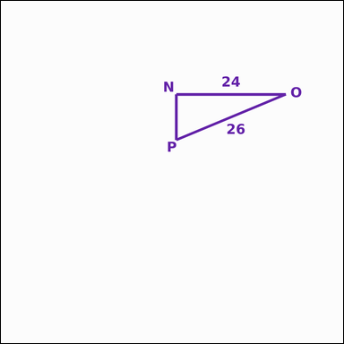 | 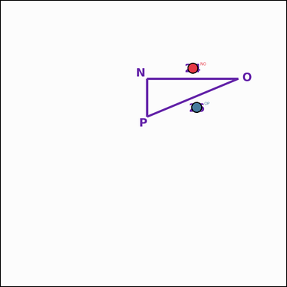 | task_geometry_analytical_2d_value | area | The image shows a geometric shape with measurement annotations. Read the marked measurements and answer: A leg length and the hypotenuse of the right triangle are annotated. What is its area in square units? Return a valid JSON object with keys "evidence" and "answer" in that order. Evidence rule: set "evidence" to a JSON object that maps each required annotation label to its shown measurement value. Required annotations: NO, OP. Answer rule: set "answer" to the area value as an integer. Example JSON: {"evidence":{"NO":2,"OP":3},"answer":8} | The image shows a geometric shape with measurement annotations. Read the marked measurements and answer: A leg length and the hypotenuse of the right triangle are annotated. What is its area in square units? Return a valid JSON object with key "answer". Answer format: set "answer" to the area value as an integer. Example JSON: {"answer":8} | {"evidence": {"NO": 24, "OP": 26}, "answer": 120} | {"NO": 24, "OP": 26} | integer | measurement_ref_map | 104513223029979 | geometry/task_geometry_analytical_2d_value/images/area/0002.png | geometry/task_geometry_analytical_2d_value/data/area/0002.json
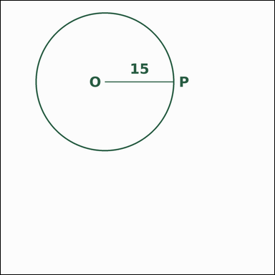 | 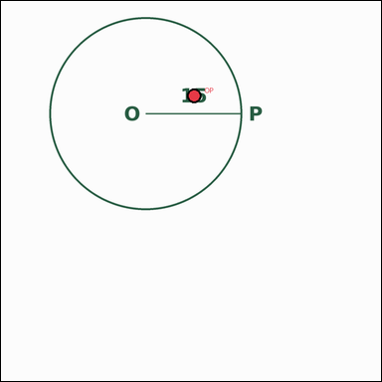 | task_geometry_analytical_2d_value | area | The image shows a geometric shape with measurement annotations. Based on the shown values, answer this question: The circle has an annotated radius. What is its area? Express the result in kπ form. Return a valid JSON object with keys "evidence" and "answer" in that order. Evidence: set "evidence" to a JSON object that maps each required annotation label to its shown measurement value. Required annotations: OP. Answer: set "answer" to the area value in the form kπ (for example 12π). Example JSON: {"evidence":{"OP":2},"answer":"12π"} | The image shows a geometric shape with measurement annotations. Based on the shown values, answer this question: The circle has an annotated radius. What is its area? Express the result in kπ form. Return a valid JSON object with key "answer". Answer rule: set "answer" to the area value in the form kπ (for example 12π). Example JSON: {"answer":"12π"} | {"evidence": {"OP": 15}, "answer": "225π"} | {"OP": 15} | pi_expression | measurement_ref_map | 414892702955052 | geometry/task_geometry_analytical_2d_value/images/area/0006.png | geometry/task_geometry_analytical_2d_value/data/area/0006.json
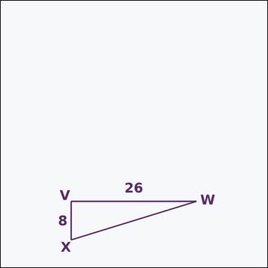 | 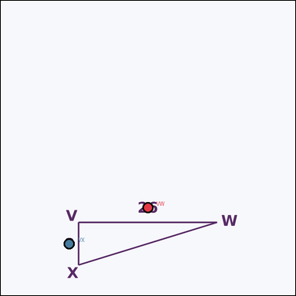 | task_geometry_analytical_2d_value | area | You are given an image showing a geometric shape with measurement annotations. Task: The right triangle has an annotated base and height. What is its area in square units? Return a valid JSON object with keys "evidence" and "answer" in that order. Evidence rule: set "evidence" to a JSON object that maps each required annotation label to its shown measurement value. Required annotations: VW, VX. Answer rule: set "answer" to the area value as an integer. Example JSON: {"evidence":{"VW":2,"VX":3},"answer":8} | You are given an image showing a geometric shape with measurement annotations. Task: The right triangle has an annotated base and height. What is its area in square units? Return a valid JSON object with key "answer". Answer field: set "answer" to the area value as an integer. Example JSON: {"answer":8} | {"evidence": {"VW": 26, "VX": 8}, "answer": 104} | {"VW": 26, "VX": 8} | integer | measurement_ref_map | 582637442938336 | geometry/task_geometry_analytical_2d_value/images/area/0020.png | geometry/task_geometry_analytical_2d_value/data/area/0020.json
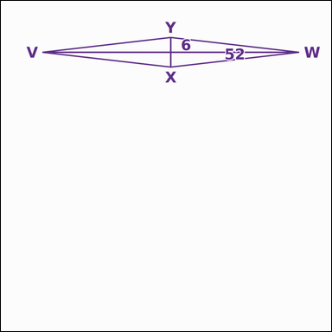 | 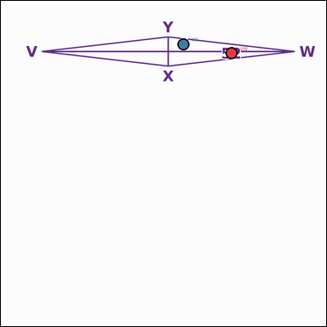 | task_geometry_analytical_2d_value | area | You are given an image showing a geometric shape with measurement annotations. Read the marked measurements and answer: The rhombus has both diagonals annotated. What is its area in square units? Return a valid JSON object with keys "evidence" and "answer" in that order. Evidence requirement: set "evidence" to a JSON object that maps each required annotation label to its shown measurement value. Required annotations: VW, XY. Answer format: set "answer" to the area value as an integer. Example JSON: {"evidence":{"VW":2,"XY":3},"answer":8} | You are given an image showing a geometric shape with measurement annotations. Read the marked measurements and answer: The rhombus has both diagonals annotated. What is its area in square units? Return a valid JSON object with key "answer". Answer field: set "answer" to the area value as an integer. Example JSON: {"answer":8} | {"evidence": {"VW": 52, "XY": 6}, "answer": 156} | {"VW": 52, "XY": 6} | integer | measurement_ref_map | 805500509393064 | geometry/task_geometry_analytical_2d_value/images/area/0013.png | geometry/task_geometry_analytical_2d_value/data/area/0013.json
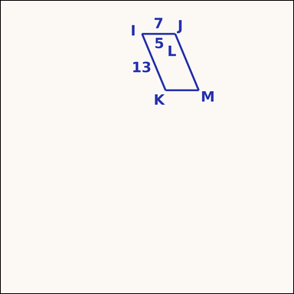 | 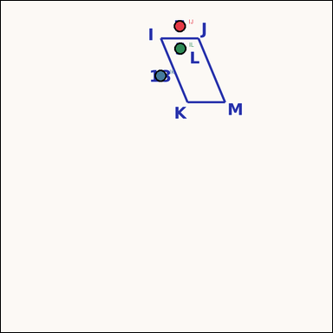 | task_geometry_analytical_2d_value | area | Work from the annotated figure showing a geometric shape with measurement annotations. Task: The parallelogram shows a base, one side length, and the horizontal offset. What is its area in square units? Return a valid JSON object with keys "evidence" and "answer" in that order. Evidence rule: set "evidence" to a JSON object that maps each required annotation label to its shown measurement value. Required annotations: IJ, IK, IL. Answer rule: set "answer" to the area value as an integer. Example JSON: {"evidence":{"IJ":2,"IK":3,"IL":4},"answer":8} | Work from the annotated figure showing a geometric shape with measurement annotations. Task: The parallelogram shows a base, one side length, and the horizontal offset. What is its area in square units? Return a valid JSON object with key "answer". Answer field: set "answer" to the area value as an integer. Example JSON: {"answer":8} | {"evidence": {"IJ": 7, "IK": 13, "IL": 5}, "answer": 84} | {"IJ": 7, "IK": 13, "IL": 5} | integer | measurement_ref_map | 1.0263546641E+15 | geometry/task_geometry_analytical_2d_value/images/area/0007.png | geometry/task_geometry_analytical_2d_value/data/area/0007.json
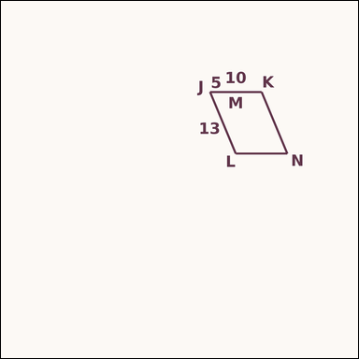 | 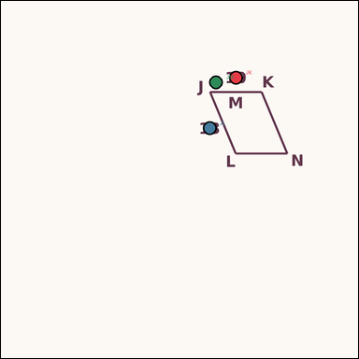 | task_geometry_analytical_2d_value | area | Look at the annotated image showing a geometric shape with measurement annotations. The parallelogram shows a base, one side length, and the horizontal offset. What is its area in square units? Return a valid JSON object with keys "evidence" and "answer" in that order. Evidence format: set "evidence" to a JSON object that maps each required annotation label to its shown measurement value. Required annotations: JK, JL, JM. Answer requirement: set "answer" to the area value as an integer. Example JSON: {"evidence":{"JK":2,"JL":3,"JM":4},"answer":8} | Look at the annotated image showing a geometric shape with measurement annotations. The parallelogram shows a base, one side length, and the horizontal offset. What is its area in square units? Return a valid JSON object with key "answer". Answer: set "answer" to the area value as an integer. Example JSON: {"answer":8} | {"evidence": {"JK": 10, "JL": 13, "JM": 5}, "answer": 120} | {"JK": 10, "JL": 13, "JM": 5} | integer | measurement_ref_map | 1.2245305192E+15 | geometry/task_geometry_analytical_2d_value/images/area/0014.png | geometry/task_geometry_analytical_2d_value/data/area/0014.json
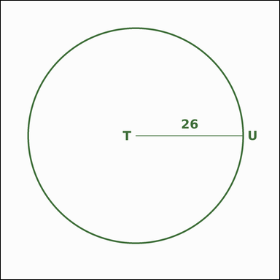 | 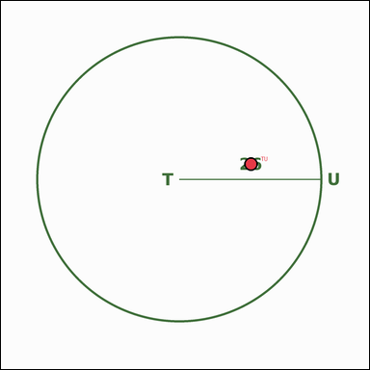 | task_geometry_analytical_2d_value | area | The image shows a geometric shape with measurement annotations. Question: The circle has an annotated radius. What is its area? Express the result in kπ form. Return a valid JSON object with keys "evidence" and "answer" in that order. Evidence: set "evidence" to a JSON object that maps each required annotation label to its shown measurement value. Required annotations: TU. Answer: set "answer" to the area value in the form kπ (for example 12π). Example JSON: {"evidence":{"TU":2},"answer":"12π"} | The image shows a geometric shape with measurement annotations. Question: The circle has an annotated radius. What is its area? Express the result in kπ form. Return a valid JSON object with key "answer". Answer field: set "answer" to the area value in the form kπ (for example 12π). Example JSON: {"answer":"12π"} | {"evidence": {"TU": 26}, "answer": "676π"} | {"TU": 26} | pi_expression | measurement_ref_map | 1.6167426473E+15 | geometry/task_geometry_analytical_2d_value/images/area/0011.png | geometry/task_geometry_analytical_2d_value/data/area/0011.json
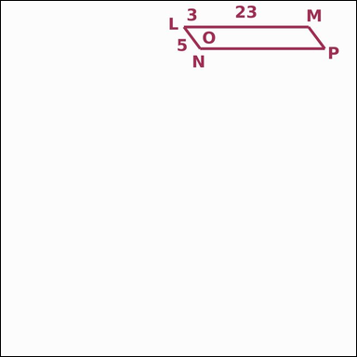 | 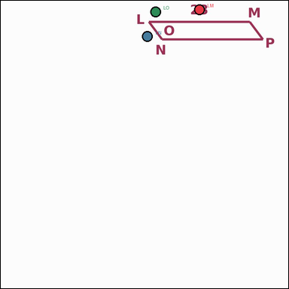 | task_geometry_analytical_2d_value | area | The image shows a geometric shape with measurement annotations. The parallelogram shows a base, one side length, and the horizontal offset. What is its area in square units? Return a valid JSON object with keys "evidence" and "answer" in that order. Evidence field: set "evidence" to a JSON object that maps each required annotation label to its shown measurement value. Required annotations: LM, LN, LO. Answer field: set "answer" to the area value as an integer. Example JSON: {"evidence":{"LM":2,"LN":3,"LO":4},"answer":8} | The image shows a geometric shape with measurement annotations. The parallelogram shows a base, one side length, and the horizontal offset. What is its area in square units? Return a valid JSON object with key "answer". Answer rule: set "answer" to the area value as an integer. Example JSON: {"answer":8} | {"evidence": {"LM": 23, "LN": 5, "LO": 3}, "answer": 92} | {"LM": 23, "LN": 5, "LO": 3} | integer | measurement_ref_map | 1.8227954731E+15 | geometry/task_geometry_analytical_2d_value/images/area/0012.png | geometry/task_geometry_analytical_2d_value/data/area/0012.json
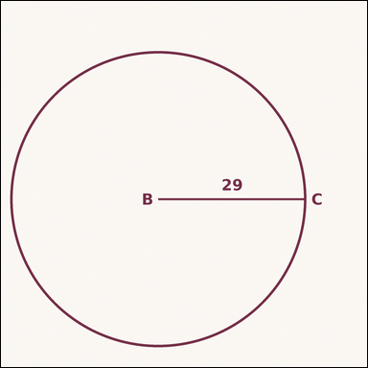 | 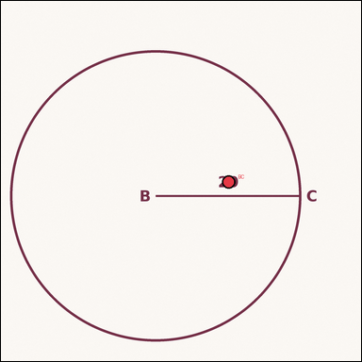 | task_geometry_analytical_2d_value | area | Work from the annotated figure showing a geometric shape with measurement annotations. Based on the shown values, answer this question: The circle has an annotated radius. What is its area? Express the result in kπ form. Return a valid JSON object with keys "evidence" and "answer" in that order. Evidence format: set "evidence" to a JSON object that maps each required annotation label to its shown measurement value. Required annotations: BC. Answer requirement: set "answer" to the area value in the form kπ (for example 12π). Example JSON: {"evidence":{"BC":2},"answer":"12π"} | Work from the annotated figure showing a geometric shape with measurement annotations. Based on the shown values, answer this question: The circle has an annotated radius. What is its area? Express the result in kπ form. Return a valid JSON object with key "answer". Answer field: set "answer" to the area value in the form kπ (for example 12π). Example JSON: {"answer":"12π"} | {"evidence": {"BC": 29}, "answer": "841π"} | {"BC": 29} | pi_expression | measurement_ref_map | 1.9686502975E+15 | geometry/task_geometry_analytical_2d_value/images/area/0022.png | geometry/task_geometry_analytical_2d_value/data/area/0022.json
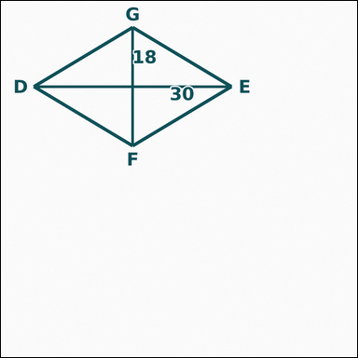 | 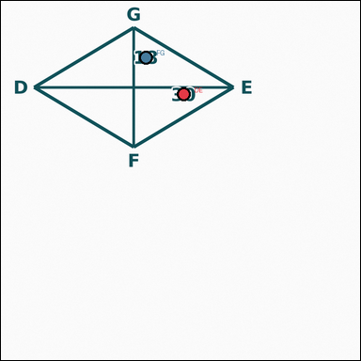 | task_geometry_analytical_2d_value | area | The image shows a geometric shape with measurement annotations. Question: The rhombus has both diagonals annotated. What is its area in square units? Return a valid JSON object with keys "evidence" and "answer" in that order. Evidence format: set "evidence" to a JSON object that maps each required annotation label to its shown measurement value. Required annotations: DE, FG. Answer requirement: set "answer" to the area value as an integer. Example JSON: {"evidence":{"DE":2,"FG":3},"answer":8} | The image shows a geometric shape with measurement annotations. Question: The rhombus has both diagonals annotated. What is its area in square units? Return a valid JSON object with key "answer". Answer rule: set "answer" to the area value as an integer. Example JSON: {"answer":8} | {"evidence": {"DE": 30, "FG": 18}, "answer": 270} | {"DE": 30, "FG": 18} | integer | measurement_ref_map | 2.698098329E+15 | geometry/task_geometry_analytical_2d_value/images/area/0001.png | geometry/task_geometry_analytical_2d_value/data/area/0001.json
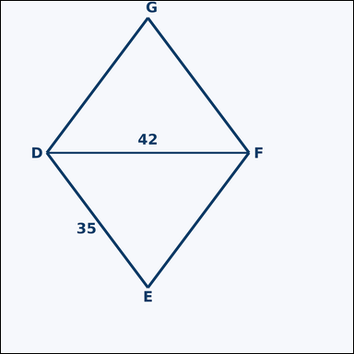 | 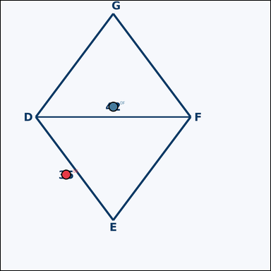 | task_geometry_analytical_2d_value | area | Work from the annotated figure showing a geometric shape with measurement annotations. Based on the shown values, answer this question: One side length and one diagonal of the rhombus are annotated. What is its area in square units? Return a valid JSON object with keys "evidence" and "answer" in that order. Evidence format: set "evidence" to a JSON object that maps each required annotation label to its shown measurement value. Required annotations: DE, DF. Answer requirement: set "answer" to the area value as an integer. Example JSON: {"evidence":{"DE":2,"DF":3},"answer":8} | Work from the annotated figure showing a geometric shape with measurement annotations. Based on the shown values, answer this question: One side length and one diagonal of the rhombus are annotated. What is its area in square units? Return a valid JSON object with key "answer". Answer requirement: set "answer" to the area value as an integer. Example JSON: {"answer":8} | {"evidence": {"DE": 35, "DF": 42}, "answer": 1176} | {"DE": 35, "DF": 42} | integer | measurement_ref_map | 3.2938408532E+15 | geometry/task_geometry_analytical_2d_value/images/area/0024.png | geometry/task_geometry_analytical_2d_value/data/area/0024.json
 |  | task_geometry_analytical_2d_value | area | Work from the annotated figure showing a geometric shape with measurement annotations. Read the marked measurements and answer: The rhombus has both diagonals annotated. What is its area in square units? Return a valid JSON object with keys "evidence" and "answer" in that order. Evidence field: set "evidence" to a JSON object that maps each required annotation label to its shown measurement value. Required annotations: UV, WX. Answer field: set "answer" to the area value as an integer. Example JSON: {"evidence":{"UV":2,"WX":3},"answer":8} | Work from the annotated figure showing a geometric shape with measurement annotations. Read the marked measurements and answer: The rhombus has both diagonals annotated. What is its area in square units? Return a valid JSON object with key "answer". Answer: set "answer" to the area value as an integer. Example JSON: {"answer":8} | {"evidence": {"UV": 4, "WX": 10}, "answer": 20} | {"UV": 4, "WX": 10} | integer | measurement_ref_map | 3.7275842722E+15 | geometry/task_geometry_analytical_2d_value/images/area/0017.png | geometry/task_geometry_analytical_2d_value/data/area/0017.json
 |  | task_geometry_analytical_2d_value | area | Use the image showing a geometric shape with measurement annotations. The ellipse shows the semimajor axis and focal distance. What is its area? Express the result in kπ form. Return a valid JSON object with keys "evidence" and "answer" in that order. Evidence rule: set "evidence" to a JSON object that maps each required annotation label to its shown measurement value. Required annotations: QR, QS. Answer rule: set "answer" to the area value in the form kπ (for example 12π). Example JSON: {"evidence":{"QR":2,"QS":3},"answer":"12π"} | Use the image showing a geometric shape with measurement annotations. The ellipse shows the semimajor axis and focal distance. What is its area? Express the result in kπ form. Return a valid JSON object with key "answer". Answer field: set "answer" to the area value in the form kπ (for example 12π). Example JSON: {"answer":"12π"} | {"evidence": {"QR": 5, "QS": 4}, "answer": "15π"} | {"QR": 5, "QS": 4} | pi_expression | measurement_ref_map | 3.848396499E+15 | geometry/task_geometry_analytical_2d_value/images/area/0019.png | geometry/task_geometry_analytical_2d_value/data/area/0019.json
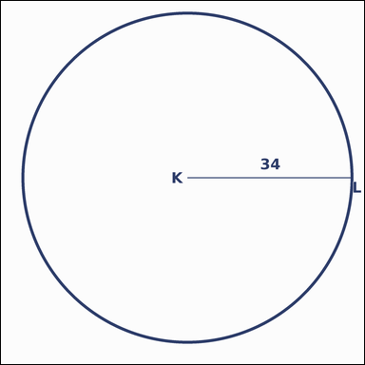 | 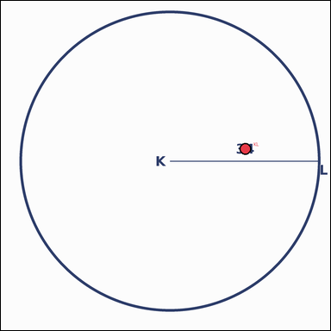 | task_geometry_analytical_2d_value | area | Look at the annotated image showing a geometric shape with measurement annotations. The circle has an annotated radius. What is its area? Express the result in kπ form. Return a valid JSON object with keys "evidence" and "answer" in that order. Evidence rule: set "evidence" to a JSON object that maps each required annotation label to its shown measurement value. Required annotations: KL. Answer rule: set "answer" to the area value in the form kπ (for example 12π). Example JSON: {"evidence":{"KL":2},"answer":"12π"} | Look at the annotated image showing a geometric shape with measurement annotations. The circle has an annotated radius. What is its area? Express the result in kπ form. Return a valid JSON object with key "answer". Answer field: set "answer" to the area value in the form kπ (for example 12π). Example JSON: {"answer":"12π"} | {"evidence": {"KL": 34}, "answer": "1156π"} | {"KL": 34} | pi_expression | measurement_ref_map | 4.0665456767E+15 | geometry/task_geometry_analytical_2d_value/images/area/0009.png | geometry/task_geometry_analytical_2d_value/data/area/0009.json
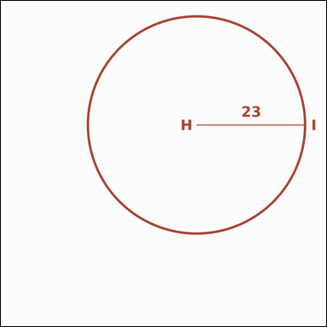 | 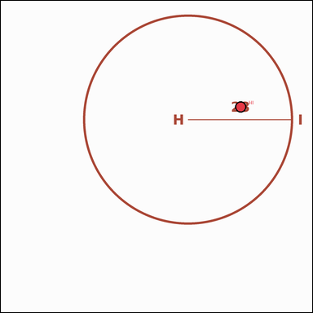 | task_geometry_analytical_2d_value | area | You are given an image showing a geometric shape with measurement annotations. Task: The circle has an annotated radius. What is its area? Express the result in kπ form. Return a valid JSON object with keys "evidence" and "answer" in that order. Evidence requirement: set "evidence" to a JSON object that maps each required annotation label to its shown measurement value. Required annotations: HI. Answer format: set "answer" to the area value in the form kπ (for example 12π). Example JSON: {"evidence":{"HI":2},"answer":"12π"} | You are given an image showing a geometric shape with measurement annotations. Task: The circle has an annotated radius. What is its area? Express the result in kπ form. Return a valid JSON object with key "answer". Answer: set "answer" to the area value in the form kπ (for example 12π). Example JSON: {"answer":"12π"} | {"evidence": {"HI": 23}, "answer": "529π"} | {"HI": 23} | pi_expression | measurement_ref_map | 5.0758290039E+15 | geometry/task_geometry_analytical_2d_value/images/area/0003.png | geometry/task_geometry_analytical_2d_value/data/area/0003.json
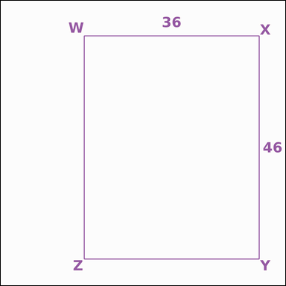 | 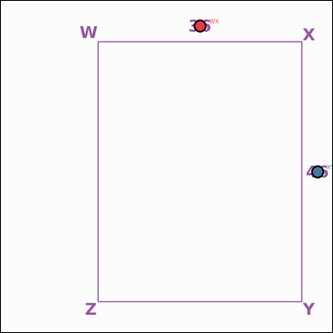 | task_geometry_analytical_2d_value | area | Use the image showing a geometric shape with measurement annotations. Read the marked measurements and answer: The rectangle has two annotated side lengths. What is its area in square units? Return a valid JSON object with keys "evidence" and "answer" in that order. Evidence rule: set "evidence" to a JSON object that maps each required annotation label to its shown measurement value. Required annotations: WX, XY. Answer rule: set "answer" to the area value as an integer. Example JSON: {"evidence":{"WX":2,"XY":3},"answer":8} | Use the image showing a geometric shape with measurement annotations. Read the marked measurements and answer: The rectangle has two annotated side lengths. What is its area in square units? Return a valid JSON object with key "answer". Answer requirement: set "answer" to the area value as an integer. Example JSON: {"answer":8} | {"evidence": {"WX": 36, "XY": 46}, "answer": 1656} | {"WX": 36, "XY": 46} | integer | measurement_ref_map | 5.1701347567E+15 | geometry/task_geometry_analytical_2d_value/images/area/0010.png | geometry/task_geometry_analytical_2d_value/data/area/0010.json
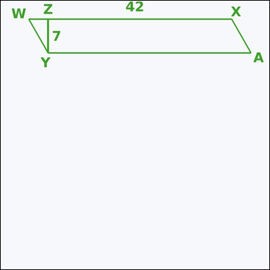 | 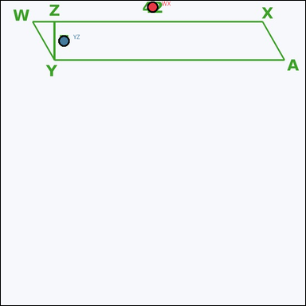 | task_geometry_analytical_2d_value | area | You are given an image showing a geometric shape with measurement annotations. Based on the shown values, answer this question: The parallelogram has an annotated base and height. What is its area in square units? Return a valid JSON object with keys "evidence" and "answer" in that order. Evidence field: set "evidence" to a JSON object that maps each required annotation label to its shown measurement value. Required annotations: WX, YZ. Answer field: set "answer" to the area value as an integer. Example JSON: {"evidence":{"WX":2,"YZ":3},"answer":8} | You are given an image showing a geometric shape with measurement annotations. Based on the shown values, answer this question: The parallelogram has an annotated base and height. What is its area in square units? Return a valid JSON object with key "answer". Answer: set "answer" to the area value as an integer. Example JSON: {"answer":8} | {"evidence": {"WX": 42, "YZ": 7}, "answer": 294} | {"WX": 42, "YZ": 7} | integer | measurement_ref_map | 5.5296426134E+15 | geometry/task_geometry_analytical_2d_value/images/area/0018.png | geometry/task_geometry_analytical_2d_value/data/area/0018.json
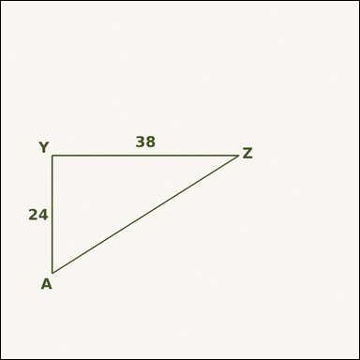 | 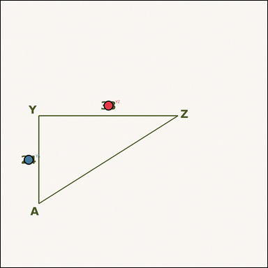 | task_geometry_analytical_2d_value | area | The image shows a geometric shape with measurement annotations. Task: The right triangle has an annotated base and height. What is its area in square units? Return a valid JSON object with keys "evidence" and "answer" in that order. Evidence requirement: set "evidence" to a JSON object that maps each required annotation label to its shown measurement value. Required annotations: YZ, YA. Answer format: set "answer" to the area value as an integer. Example JSON: {"evidence":{"YZ":2,"YA":3},"answer":8} | The image shows a geometric shape with measurement annotations. Task: The right triangle has an annotated base and height. What is its area in square units? Return a valid JSON object with key "answer". Answer rule: set "answer" to the area value as an integer. Example JSON: {"answer":8} | {"evidence": {"YZ": 38, "YA": 24}, "answer": 456} | {"YZ": 38, "YA": 24} | integer | measurement_ref_map | 5.9905833907E+15 | geometry/task_geometry_analytical_2d_value/images/area/0021.png | geometry/task_geometry_analytical_2d_value/data/area/0021.json
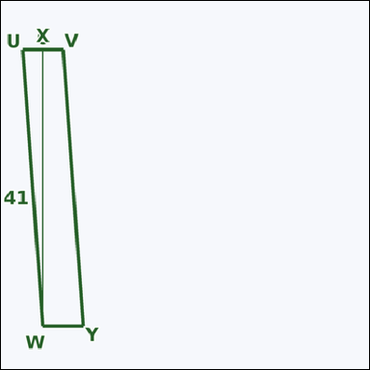 | 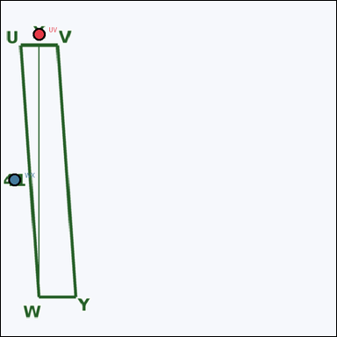 | task_geometry_analytical_2d_value | area | Use the image showing a geometric shape with measurement annotations. Question: The parallelogram has an annotated base and height. What is its area in square units? Return a valid JSON object with keys "evidence" and "answer" in that order. Evidence: set "evidence" to a JSON object that maps each required annotation label to its shown measurement value. Required annotations: UV, WX. Answer: set "answer" to the area value as an integer. Example JSON: {"evidence":{"UV":2,"WX":3},"answer":8} | Use the image showing a geometric shape with measurement annotations. Question: The parallelogram has an annotated base and height. What is its area in square units? Return a valid JSON object with key "answer". Answer: set "answer" to the area value as an integer. Example JSON: {"answer":8} | {"evidence": {"UV": 6, "WX": 41}, "answer": 246} | {"UV": 6, "WX": 41} | integer | measurement_ref_map | 6.3700564254E+15 | geometry/task_geometry_analytical_2d_value/images/area/0004.png | geometry/task_geometry_analytical_2d_value/data/area/0004.json
 | 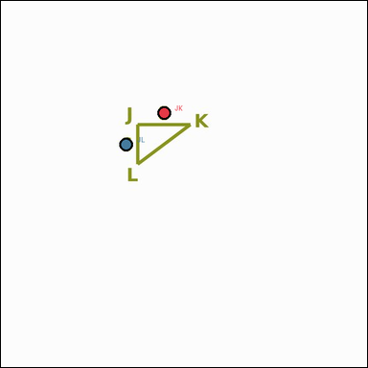 | task_geometry_analytical_2d_value | area | Work from the annotated figure showing a geometric shape with measurement annotations. Task: The right triangle has an annotated base and height. What is its area in square units? Return a valid JSON object with keys "evidence" and "answer" in that order. Evidence field: set "evidence" to a JSON object that maps each required annotation label to its shown measurement value. Required annotations: JK, JL. Answer field: set "answer" to the area value as an integer. Example JSON: {"evidence":{"JK":2,"JL":3},"answer":8} | Work from the annotated figure showing a geometric shape with measurement annotations. Task: The right triangle has an annotated base and height. What is its area in square units? Return a valid JSON object with key "answer". Answer: set "answer" to the area value as an integer. Example JSON: {"answer":8} | {"evidence": {"JK": 8, "JL": 6}, "answer": 24} | {"JK": 8, "JL": 6} | integer | measurement_ref_map | 6.4436166711E+15 | geometry/task_geometry_analytical_2d_value/images/area/0016.png | geometry/task_geometry_analytical_2d_value/data/area/0016.json
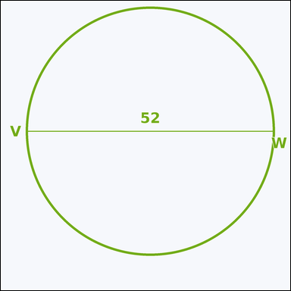 | 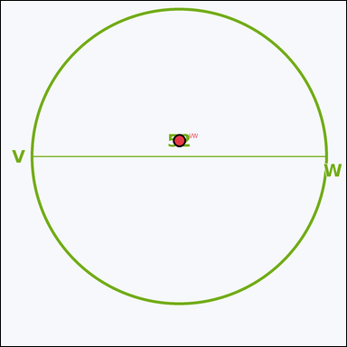 | task_geometry_analytical_2d_value | area | The image shows a geometric shape with measurement annotations. Read the marked measurements and answer: The circle has an annotated diameter. What is its area? Express the result in kπ form. Return a valid JSON object with keys "evidence" and "answer" in that order. Evidence rule: set "evidence" to a JSON object that maps each required annotation label to its shown measurement value. Required annotations: VW. Answer rule: set "answer" to the area value in the form kπ (for example 12π). Example JSON: {"evidence":{"VW":2},"answer":"12π"} | The image shows a geometric shape with measurement annotations. Read the marked measurements and answer: The circle has an annotated diameter. What is its area? Express the result in kπ form. Return a valid JSON object with key "answer". Answer rule: set "answer" to the area value in the form kπ (for example 12π). Example JSON: {"answer":"12π"} | {"evidence": {"VW": 52}, "answer": "676π"} | {"VW": 52} | pi_expression | measurement_ref_map | 6.8417249716E+15 | geometry/task_geometry_analytical_2d_value/images/area/0015.png | geometry/task_geometry_analytical_2d_value/data/area/0015.json
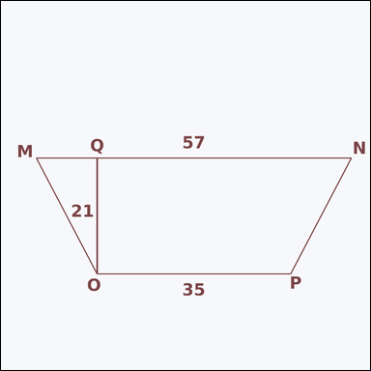 | 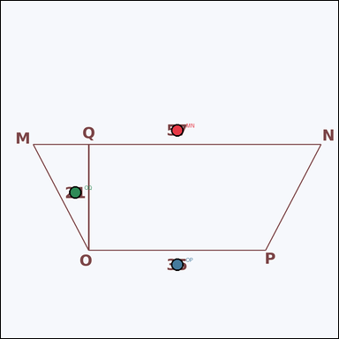 | task_geometry_analytical_2d_value | area | Work from the annotated figure showing a geometric shape with measurement annotations. Question: The trapezoid has annotated base lengths and height. What is its area in square units? Return a valid JSON object with keys "evidence" and "answer" in that order. Evidence requirement: set "evidence" to a JSON object that maps each required annotation label to its shown measurement value. Required annotations: MN, OP, OQ. Answer format: set "answer" to the area value as an integer. Example JSON: {"evidence":{"MN":2,"OP":3,"OQ":4},"answer":8} | Work from the annotated figure showing a geometric shape with measurement annotations. Question: The trapezoid has annotated base lengths and height. What is its area in square units? Return a valid JSON object with key "answer". Answer requirement: set "answer" to the area value as an integer. Example JSON: {"answer":8} | {"evidence": {"MN": 57, "OP": 35, "OQ": 21}, "answer": 966} | {"MN": 57, "OP": 35, "OQ": 21} | integer | measurement_ref_map | 7.3630298392E+15 | geometry/task_geometry_analytical_2d_value/images/area/0005.png | geometry/task_geometry_analytical_2d_value/data/area/0005.json
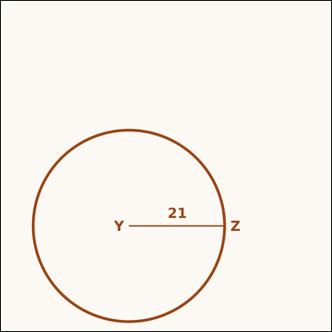 | 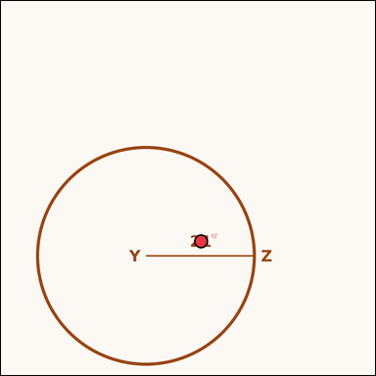 | task_geometry_analytical_2d_value | area | You are given an image showing a geometric shape with measurement annotations. The circle has an annotated radius. What is its area? Express the result in kπ form. Return a valid JSON object with keys "evidence" and "answer" in that order. Evidence format: set "evidence" to a JSON object that maps each required annotation label to its shown measurement value. Required annotations: YZ. Answer requirement: set "answer" to the area value in the form kπ (for example 12π). Example JSON: {"evidence":{"YZ":2},"answer":"12π"} | You are given an image showing a geometric shape with measurement annotations. The circle has an annotated radius. What is its area? Express the result in kπ form. Return a valid JSON object with key "answer". Answer requirement: set "answer" to the area value in the form kπ (for example 12π). Example JSON: {"answer":"12π"} | {"evidence": {"YZ": 21}, "answer": "441π"} | {"YZ": 21} | pi_expression | measurement_ref_map | 8.2665377788E+15 | geometry/task_geometry_analytical_2d_value/images/area/0000.png | geometry/task_geometry_analytical_2d_value/data/area/0000.json
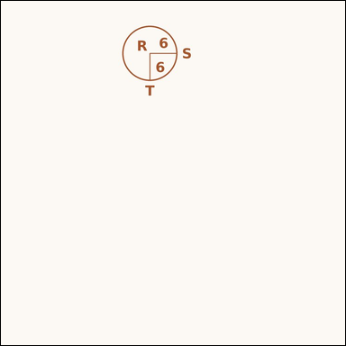 | 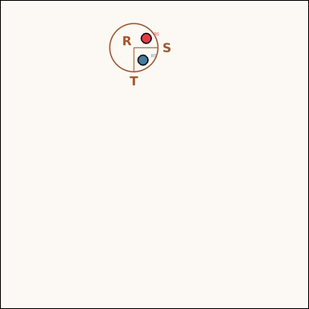 | task_geometry_analytical_2d_value | area | You are given an image showing a geometric shape with measurement annotations. Question: The ellipse has annotated semimajor and semiminor axes. What is its area? Express the result in kπ form. Return a valid JSON object with keys "evidence" and "answer" in that order. Evidence field: set "evidence" to a JSON object that maps each required annotation label to its shown measurement value. Required annotations: RS, RT. Answer field: set "answer" to the area value in the form kπ (for example 12π). Example JSON: {"evidence":{"RS":2,"RT":3},"answer":"12π"} | You are given an image showing a geometric shape with measurement annotations. Question: The ellipse has annotated semimajor and semiminor axes. What is its area? Express the result in kπ form. Return a valid JSON object with key "answer". Answer requirement: set "answer" to the area value in the form kπ (for example 12π). Example JSON: {"answer":"12π"} | {"evidence": {"RS": 6, "RT": 6}, "answer": "36π"} | {"RS": 6, "RT": 6} | pi_expression | measurement_ref_map | 8.5616853527E+15 | geometry/task_geometry_analytical_2d_value/images/area/0023.png | geometry/task_geometry_analytical_2d_value/data/area/0023.json
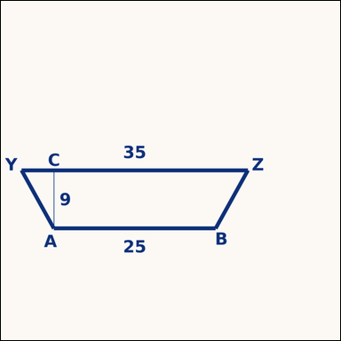 | 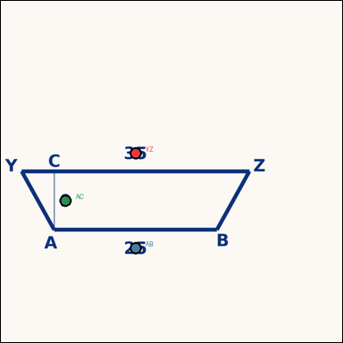 | task_geometry_analytical_2d_value | area | You are given an image showing a geometric shape with measurement annotations. Based on the shown values, answer this question: The trapezoid has annotated base lengths and height. What is its area in square units? Return a valid JSON object with keys "evidence" and "answer" in that order. Evidence rule: set "evidence" to a JSON object that maps each required annotation label to its shown measurement value. Required annotations: YZ, AB, AC. Answer rule: set "answer" to the area value as an integer. Example JSON: {"evidence":{"YZ":2,"AB":3,"AC":4},"answer":8} | You are given an image showing a geometric shape with measurement annotations. Based on the shown values, answer this question: The trapezoid has annotated base lengths and height. What is its area in square units? Return a valid JSON object with key "answer". Answer requirement: set "answer" to the area value as an integer. Example JSON: {"answer":8} | {"evidence": {"YZ": 35, "AB": 25, "AC": 9}, "answer": 270} | {"YZ": 35, "AB": 25, "AC": 9} | integer | measurement_ref_map | 8.7336914688E+15 | geometry/task_geometry_analytical_2d_value/images/area/0008.png | geometry/task_geometry_analytical_2d_value/data/area/0008.json

composite_area
image | evidence_image | task | task_variant | prompt | prompt_answer_only | answer | answer_evidence | answer_type | evidence_type | instance_seed | image_path | data_path
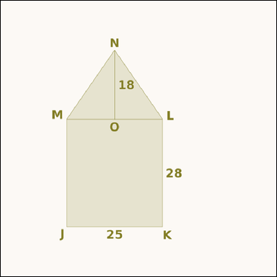 | 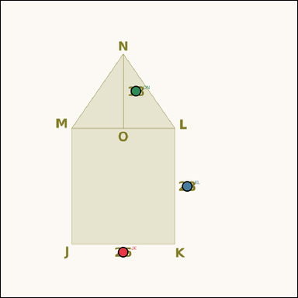 | task_geometry_analytical_2d_value | composite_area | You are given an image showing a shaded composite geometric region with measurement annotations. Based on the shown values, answer this question: The shaded figure is a rectangle with a triangular roof attached. What is the area of the shaded region in square units? Return a valid JSON object with keys "evidence" and "answer" in that order. Evidence: set "evidence" to a JSON object that maps each required annotation label to its shown measurement value. Required annotations: JK, KL, ON. Answer: set "answer" to the area value as an integer. Example JSON: {"evidence":{"JK":2,"KL":3,"ON":4},"answer":8} | You are given an image showing a shaded composite geometric region with measurement annotations. Based on the shown values, answer this question: The shaded figure is a rectangle with a triangular roof attached. What is the area of the shaded region in square units? Return a valid JSON object with key "answer". Answer rule: set "answer" to the area value as an integer. Example JSON: {"answer":8} | {"evidence": {"JK": 25, "KL": 28, "ON": 18}, "answer": 925} | {"JK": 25, "KL": 28, "ON": 18} | integer | measurement_ref_map | 217487693504772 | geometry/task_geometry_analytical_2d_value/images/composite_area/0009.png | geometry/task_geometry_analytical_2d_value/data/composite_area/0009.json
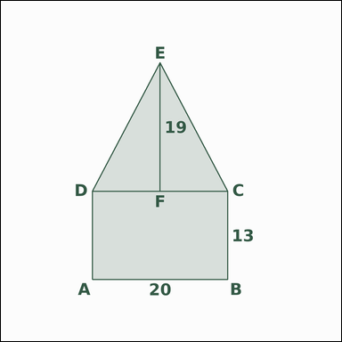 | 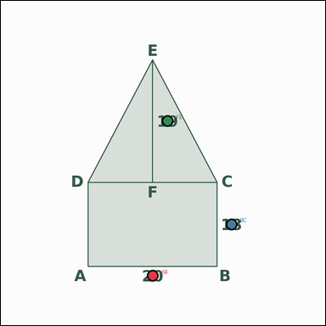 | task_geometry_analytical_2d_value | composite_area | Look at the annotated image showing a shaded composite geometric region with measurement annotations. Based on the shown values, answer this question: The shaded figure is a rectangle with a triangular roof attached. What is the area of the shaded region in square units? Return a valid JSON object with keys "evidence" and "answer" in that order. Evidence format: set "evidence" to a JSON object that maps each required annotation label to its shown measurement value. Required annotations: AB, BC, FE. Answer requirement: set "answer" to the area value as an integer. Example JSON: {"evidence":{"AB":2,"BC":3,"FE":4},"answer":8} | Look at the annotated image showing a shaded composite geometric region with measurement annotations. Based on the shown values, answer this question: The shaded figure is a rectangle with a triangular roof attached. What is the area of the shaded region in square units? Return a valid JSON object with key "answer". Answer rule: set "answer" to the area value as an integer. Example JSON: {"answer":8} | {"evidence": {"AB": 20, "BC": 13, "FE": 19}, "answer": 450} | {"AB": 20, "BC": 13, "FE": 19} | integer | measurement_ref_map | 383171081143572 | geometry/task_geometry_analytical_2d_value/images/composite_area/0001.png | geometry/task_geometry_analytical_2d_value/data/composite_area/0001.json
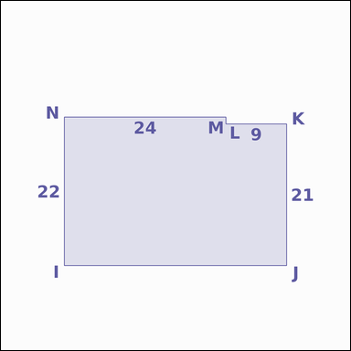 |  | task_geometry_analytical_2d_value | composite_area | Look at the annotated image showing a shaded composite geometric region with measurement annotations. Question: The shaded figure is a step-shaped union of two rectangles. What is the area of the shaded region in square units? Return a valid JSON object with keys "evidence" and "answer" in that order. Evidence format: set "evidence" to a JSON object that maps each required annotation label to its shown measurement value. Required annotations: NM, NI, LK, JK. Answer requirement: set "answer" to the area value as an integer. Example JSON: {"evidence":{"NM":2,"NI":3,"LK":4,"JK":5},"answer":8} | Look at the annotated image showing a shaded composite geometric region with measurement annotations. Question: The shaded figure is a step-shaped union of two rectangles. What is the area of the shaded region in square units? Return a valid JSON object with key "answer". Answer format: set "answer" to the area value as an integer. Example JSON: {"answer":8} | {"evidence": {"NM": 24, "NI": 22, "LK": 9, "JK": 21}, "answer": 717} | {"NM": 24, "NI": 22, "LK": 9, "JK": 21} | integer | measurement_ref_map | 729829643639404 | geometry/task_geometry_analytical_2d_value/images/composite_area/0011.png | geometry/task_geometry_analytical_2d_value/data/composite_area/0011.json
 |  | task_geometry_analytical_2d_value | composite_area | Work from the annotated scene showing a shaded composite geometric region with measurement annotations. Question: The shaded region is a rectangle with one triangular corner cut out. What is the area of the shaded region in square units? Return a valid JSON object with keys "evidence" and "answer" in that order. Evidence requirement: set "evidence" to a JSON object that maps each required annotation label to its shown measurement value. Required annotations: CD, DE, FE, GE. Answer format: set "answer" to the area value as an integer. Example JSON: {"evidence":{"CD":2,"DE":3,"FE":4,"GE":5},"answer":8} | Work from the annotated scene showing a shaded composite geometric region with measurement annotations. Question: The shaded region is a rectangle with one triangular corner cut out. What is the area of the shaded region in square units? Return a valid JSON object with key "answer". Answer: set "answer" to the area value as an integer. Example JSON: {"answer":8} | {"evidence": {"CD": 27, "DE": 16, "FE": 11, "GE": 8}, "answer": 388} | {"CD": 27, "DE": 16, "FE": 11, "GE": 8} | integer | measurement_ref_map | 1.091905516E+15 | geometry/task_geometry_analytical_2d_value/images/composite_area/0008.png | geometry/task_geometry_analytical_2d_value/data/composite_area/0008.json
 |  | task_geometry_analytical_2d_value | composite_area | Work from the annotated scene showing a shaded composite geometric region with measurement annotations. Question: The shaded figure is an L-shaped region formed from a rectangle with one corner removed. What is the area of the shaded region in square units? Return a valid JSON object with keys "evidence" and "answer" in that order. Evidence field: set "evidence" to a JSON object that maps each required annotation label to its shown measurement value. Required annotations: ST, XS, VU, VW. Answer field: set "answer" to the area value as an integer. Example JSON: {"evidence":{"ST":2,"XS":3,"VU":4,"VW":5},"answer":8} | Work from the annotated scene showing a shaded composite geometric region with measurement annotations. Question: The shaded figure is an L-shaped region formed from a rectangle with one corner removed. What is the area of the shaded region in square units? Return a valid JSON object with key "answer". Answer format: set "answer" to the area value as an integer. Example JSON: {"answer":8} | {"evidence": {"ST": 13, "XS": 36, "VU": 2, "VW": 7}, "answer": 454} | {"ST": 13, "XS": 36, "VU": 2, "VW": 7} | integer | measurement_ref_map | 2.0240518068E+15 | geometry/task_geometry_analytical_2d_value/images/composite_area/0003.png | geometry/task_geometry_analytical_2d_value/data/composite_area/0003.json
 |  | task_geometry_analytical_2d_value | composite_area | Look at the annotated image showing a shaded composite geometric region with measurement annotations. Task: The shaded region is an outer rectangle with one inner rectangular cutout. What is the area of the shaded region in square units? Return a valid JSON object with keys "evidence" and "answer" in that order. Evidence format: set "evidence" to a JSON object that maps each required annotation label to its shown measurement value. Required annotations: HI, IJ, KL, LM. Answer requirement: set "answer" to the area value as an integer. Example JSON: {"evidence":{"HI":2,"IJ":3,"KL":4,"LM":5},"answer":8} | Look at the annotated image showing a shaded composite geometric region with measurement annotations. Task: The shaded region is an outer rectangle with one inner rectangular cutout. What is the area of the shaded region in square units? Return a valid JSON object with key "answer". Answer requirement: set "answer" to the area value as an integer. Example JSON: {"answer":8} | {"evidence": {"HI": 27, "IJ": 30, "KL": 13, "LM": 7}, "answer": 719} | {"HI": 27, "IJ": 30, "KL": 13, "LM": 7} | integer | measurement_ref_map | 2.5864085439E+15 | geometry/task_geometry_analytical_2d_value/images/composite_area/0018.png | geometry/task_geometry_analytical_2d_value/data/composite_area/0018.json
 |  | task_geometry_analytical_2d_value | composite_area | Work from the annotated scene showing a shaded composite geometric region with measurement annotations. Based on the shown values, answer this question: The shaded region is an outer rectangle with one inner rectangular cutout. What is the area of the shaded region in square units? Return a valid JSON object with keys "evidence" and "answer" in that order. Evidence rule: set "evidence" to a JSON object that maps each required annotation label to its shown measurement value. Required annotations: TU, UV, WX, XY. Answer rule: set "answer" to the area value as an integer. Example JSON: {"evidence":{"TU":2,"UV":3,"WX":4,"XY":5},"answer":8} | Work from the annotated scene showing a shaded composite geometric region with measurement annotations. Based on the shown values, answer this question: The shaded region is an outer rectangle with one inner rectangular cutout. What is the area of the shaded region in square units? Return a valid JSON object with key "answer". Answer field: set "answer" to the area value as an integer. Example JSON: {"answer":8} | {"evidence": {"TU": 11, "UV": 17, "WX": 3, "XY": 15}, "answer": 142} | {"TU": 11, "UV": 17, "WX": 3, "XY": 15} | integer | measurement_ref_map | 2.7156359082E+15 | geometry/task_geometry_analytical_2d_value/images/composite_area/0006.png | geometry/task_geometry_analytical_2d_value/data/composite_area/0006.json
 |  | task_geometry_analytical_2d_value | composite_area | Use the image showing a shaded composite geometric region with measurement annotations. Based on the shown values, answer this question: The shaded figure is a rectangle with a triangular roof attached. What is the area of the shaded region in square units? Return a valid JSON object with keys "evidence" and "answer" in that order. Evidence requirement: set "evidence" to a JSON object that maps each required annotation label to its shown measurement value. Required annotations: WX, XY, BA. Answer format: set "answer" to the area value as an integer. Example JSON: {"evidence":{"WX":2,"XY":3,"BA":4},"answer":8} | Use the image showing a shaded composite geometric region with measurement annotations. Based on the shown values, answer this question: The shaded figure is a rectangle with a triangular roof attached. What is the area of the shaded region in square units? Return a valid JSON object with key "answer". Answer requirement: set "answer" to the area value as an integer. Example JSON: {"answer":8} | {"evidence": {"WX": 38, "XY": 35, "BA": 11}, "answer": 1539} | {"WX": 38, "XY": 35, "BA": 11} | integer | measurement_ref_map | 3.1283142839E+15 | geometry/task_geometry_analytical_2d_value/images/composite_area/0023.png | geometry/task_geometry_analytical_2d_value/data/composite_area/0023.json
 |  | task_geometry_analytical_2d_value | composite_area | Use the image showing a shaded composite geometric region with measurement annotations. Task: The shaded figure is a step-shaped union of two rectangles. What is the area of the shaded region in square units? Return a valid JSON object with keys "evidence" and "answer" in that order. Evidence rule: set "evidence" to a JSON object that maps each required annotation label to its shown measurement value. Required annotations: CB, CX, AZ, YZ. Answer rule: set "answer" to the area value as an integer. Example JSON: {"evidence":{"CB":2,"CX":3,"AZ":4,"YZ":5},"answer":8} | Use the image showing a shaded composite geometric region with measurement annotations. Task: The shaded figure is a step-shaped union of two rectangles. What is the area of the shaded region in square units? Return a valid JSON object with key "answer". Answer rule: set "answer" to the area value as an integer. Example JSON: {"answer":8} | {"evidence": {"CB": 40, "CX": 28, "AZ": 16, "YZ": 15}, "answer": 1360} | {"CB": 40, "CX": 28, "AZ": 16, "YZ": 15} | integer | measurement_ref_map | 3.7149308357E+15 | geometry/task_geometry_analytical_2d_value/images/composite_area/0019.png | geometry/task_geometry_analytical_2d_value/data/composite_area/0019.json
 |  | task_geometry_analytical_2d_value | composite_area | Look at the annotated image showing a shaded composite geometric region with measurement annotations. Question: The shaded figure is a step-shaped union of two rectangles. What is the area of the shaded region in square units? Return a valid JSON object with keys "evidence" and "answer" in that order. Evidence format: set "evidence" to a JSON object that maps each required annotation label to its shown measurement value. Required annotations: WV, WR, UT, ST. Answer requirement: set "answer" to the area value as an integer. Example JSON: {"evidence":{"WV":2,"WR":3,"UT":4,"ST":5},"answer":8} | Look at the annotated image showing a shaded composite geometric region with measurement annotations. Question: The shaded figure is a step-shaped union of two rectangles. What is the area of the shaded region in square units? Return a valid JSON object with key "answer". Answer field: set "answer" to the area value as an integer. Example JSON: {"answer":8} | {"evidence": {"WV": 10, "WR": 17, "UT": 12, "ST": 13}, "answer": 326} | {"WV": 10, "WR": 17, "UT": 12, "ST": 13} | integer | measurement_ref_map | 3.8123720254E+15 | geometry/task_geometry_analytical_2d_value/images/composite_area/0015.png | geometry/task_geometry_analytical_2d_value/data/composite_area/0015.json
 |  | task_geometry_analytical_2d_value | composite_area | You are given an image showing a shaded composite geometric region with measurement annotations. Question: The shaded figure is a rectangle with a triangular roof attached. What is the area of the shaded region in square units? Return a valid JSON object with keys "evidence" and "answer" in that order. Evidence format: set "evidence" to a JSON object that maps each required annotation label to its shown measurement value. Required annotations: QR, RS, VU. Answer requirement: set "answer" to the area value as an integer. Example JSON: {"evidence":{"QR":2,"RS":3,"VU":4},"answer":8} | You are given an image showing a shaded composite geometric region with measurement annotations. Question: The shaded figure is a rectangle with a triangular roof attached. What is the area of the shaded region in square units? Return a valid JSON object with key "answer". Answer rule: set "answer" to the area value as an integer. Example JSON: {"answer":8} | {"evidence": {"QR": 32, "RS": 28, "VU": 8}, "answer": 1024} | {"QR": 32, "RS": 28, "VU": 8} | integer | measurement_ref_map | 3.8960495048E+15 | geometry/task_geometry_analytical_2d_value/images/composite_area/0013.png | geometry/task_geometry_analytical_2d_value/data/composite_area/0013.json
 |  | task_geometry_analytical_2d_value | composite_area | Use the image showing a shaded composite geometric region with measurement annotations. Based on the shown values, answer this question: The shaded region is a rectangle with one triangular corner cut out. What is the area of the shaded region in square units? Return a valid JSON object with keys "evidence" and "answer" in that order. Evidence requirement: set "evidence" to a JSON object that maps each required annotation label to its shown measurement value. Required annotations: XY, YZ, AZ, BZ. Answer format: set "answer" to the area value as an integer. Example JSON: {"evidence":{"XY":2,"YZ":3,"AZ":4,"BZ":5},"answer":8} | Use the image showing a shaded composite geometric region with measurement annotations. Based on the shown values, answer this question: The shaded region is a rectangle with one triangular corner cut out. What is the area of the shaded region in square units? Return a valid JSON object with key "answer". Answer format: set "answer" to the area value as an integer. Example JSON: {"answer":8} | {"evidence": {"XY": 26, "YZ": 36, "AZ": 4, "BZ": 8}, "answer": 920} | {"XY": 26, "YZ": 36, "AZ": 4, "BZ": 8} | integer | measurement_ref_map | 5.1407605805E+15 | geometry/task_geometry_analytical_2d_value/images/composite_area/0017.png | geometry/task_geometry_analytical_2d_value/data/composite_area/0017.json
 |  | task_geometry_analytical_2d_value | composite_area | Use the image showing a shaded composite geometric region with measurement annotations. The shaded figure is a rectangle with a triangular roof attached. What is the area of the shaded region in square units? Return a valid JSON object with keys "evidence" and "answer" in that order. Evidence field: set "evidence" to a JSON object that maps each required annotation label to its shown measurement value. Required annotations: ST, TU, XW. Answer field: set "answer" to the area value as an integer. Example JSON: {"evidence":{"ST":2,"TU":3,"XW":4},"answer":8} | Use the image showing a shaded composite geometric region with measurement annotations. The shaded figure is a rectangle with a triangular roof attached. What is the area of the shaded region in square units? Return a valid JSON object with key "answer". Answer requirement: set "answer" to the area value as an integer. Example JSON: {"answer":8} | {"evidence": {"ST": 33, "TU": 25, "XW": 6}, "answer": 924} | {"ST": 33, "TU": 25, "XW": 6} | integer | measurement_ref_map | 5.2481938807E+15 | geometry/task_geometry_analytical_2d_value/images/composite_area/0007.png | geometry/task_geometry_analytical_2d_value/data/composite_area/0007.json
 |  | task_geometry_analytical_2d_value | composite_area | Look at the annotated image showing a shaded composite geometric region with measurement annotations. The shaded region is a rectangle with one triangular corner cut out. What is the area of the shaded region in square units? Return a valid JSON object with keys "evidence" and "answer" in that order. Evidence format: set "evidence" to a JSON object that maps each required annotation label to its shown measurement value. Required annotations: LM, MN, ON, PN. Answer requirement: set "answer" to the area value as an integer. Example JSON: {"evidence":{"LM":2,"MN":3,"ON":4,"PN":5},"answer":8} | Look at the annotated image showing a shaded composite geometric region with measurement annotations. The shaded region is a rectangle with one triangular corner cut out. What is the area of the shaded region in square units? Return a valid JSON object with key "answer". Answer: set "answer" to the area value as an integer. Example JSON: {"answer":8} | {"evidence": {"LM": 19, "MN": 30, "ON": 14, "PN": 16}, "answer": 458} | {"LM": 19, "MN": 30, "ON": 14, "PN": 16} | integer | measurement_ref_map | 5.4220128734E+15 | geometry/task_geometry_analytical_2d_value/images/composite_area/0004.png | geometry/task_geometry_analytical_2d_value/data/composite_area/0004.json
 |  | task_geometry_analytical_2d_value | composite_area | The image shows a shaded composite geometric region with measurement annotations. The shaded figure is a rectangle with a triangular roof attached. What is the area of the shaded region in square units? Return a valid JSON object with keys "evidence" and "answer" in that order. Evidence requirement: set "evidence" to a JSON object that maps each required annotation label to its shown measurement value. Required annotations: VW, WX, AZ. Answer format: set "answer" to the area value as an integer. Example JSON: {"evidence":{"VW":2,"WX":3,"AZ":4},"answer":8} | The image shows a shaded composite geometric region with measurement annotations. The shaded figure is a rectangle with a triangular roof attached. What is the area of the shaded region in square units? Return a valid JSON object with key "answer". Answer: set "answer" to the area value as an integer. Example JSON: {"answer":8} | {"evidence": {"VW": 34, "WX": 23, "AZ": 13}, "answer": 1003} | {"VW": 34, "WX": 23, "AZ": 13} | integer | measurement_ref_map | 5.6801045766E+15 | geometry/task_geometry_analytical_2d_value/images/composite_area/0012.png | geometry/task_geometry_analytical_2d_value/data/composite_area/0012.json
 |  | task_geometry_analytical_2d_value | composite_area | Work from the annotated scene showing a shaded composite geometric region with measurement annotations. Task: The shaded figure is a step-shaped union of two rectangles. What is the area of the shaded region in square units? Return a valid JSON object with keys "evidence" and "answer" in that order. Evidence field: set "evidence" to a JSON object that maps each required annotation label to its shown measurement value. Required annotations: ED, EZ, CB, AB. Answer field: set "answer" to the area value as an integer. Example JSON: {"evidence":{"ED":2,"EZ":3,"CB":4,"AB":5},"answer":8} | Work from the annotated scene showing a shaded composite geometric region with measurement annotations. Task: The shaded figure is a step-shaped union of two rectangles. What is the area of the shaded region in square units? Return a valid JSON object with key "answer". Answer format: set "answer" to the area value as an integer. Example JSON: {"answer":8} | {"evidence": {"ED": 25, "EZ": 10, "CB": 13, "AB": 7}, "answer": 341} | {"ED": 25, "EZ": 10, "CB": 13, "AB": 7} | integer | measurement_ref_map | 5.7935326616E+15 | geometry/task_geometry_analytical_2d_value/images/composite_area/0010.png | geometry/task_geometry_analytical_2d_value/data/composite_area/0010.json
 |  | task_geometry_analytical_2d_value | composite_area | The image shows a shaded composite geometric region with measurement annotations. Based on the shown values, answer this question: The shaded figure is an L-shaped region formed from a rectangle with one corner removed. What is the area of the shaded region in square units? Return a valid JSON object with keys "evidence" and "answer" in that order. Evidence: set "evidence" to a JSON object that maps each required annotation label to its shown measurement value. Required annotations: OP, TO, RQ, RS. Answer: set "answer" to the area value as an integer. Example JSON: {"evidence":{"OP":2,"TO":3,"RQ":4,"RS":5},"answer":8} | The image shows a shaded composite geometric region with measurement annotations. Based on the shown values, answer this question: The shaded figure is an L-shaped region formed from a rectangle with one corner removed. What is the area of the shaded region in square units? Return a valid JSON object with key "answer". Answer: set "answer" to the area value as an integer. Example JSON: {"answer":8} | {"evidence": {"OP": 8, "TO": 37, "RQ": 6, "RS": 11}, "answer": 230} | {"OP": 8, "TO": 37, "RQ": 6, "RS": 11} | integer | measurement_ref_map | 6.0339792216E+15 | geometry/task_geometry_analytical_2d_value/images/composite_area/0016.png | geometry/task_geometry_analytical_2d_value/data/composite_area/0016.json
 |  | task_geometry_analytical_2d_value | composite_area | You are given an image showing a shaded composite geometric region with measurement annotations. Question: The shaded figure is a step-shaped union of two rectangles. What is the area of the shaded region in square units? Return a valid JSON object with keys "evidence" and "answer" in that order. Evidence field: set "evidence" to a JSON object that maps each required annotation label to its shown measurement value. Required annotations: VU, VQ, TS, RS. Answer field: set "answer" to the area value as an integer. Example JSON: {"evidence":{"VU":2,"VQ":3,"TS":4,"RS":5},"answer":8} | You are given an image showing a shaded composite geometric region with measurement annotations. Question: The shaded figure is a step-shaped union of two rectangles. What is the area of the shaded region in square units? Return a valid JSON object with key "answer". Answer rule: set "answer" to the area value as an integer. Example JSON: {"answer":8} | {"evidence": {"VU": 30, "VQ": 21, "TS": 3, "RS": 14}, "answer": 672} | {"VU": 30, "VQ": 21, "TS": 3, "RS": 14} | integer | measurement_ref_map | 6.2343509529E+15 | geometry/task_geometry_analytical_2d_value/images/composite_area/0002.png | geometry/task_geometry_analytical_2d_value/data/composite_area/0002.json
 |  | task_geometry_analytical_2d_value | composite_area | Work from the annotated scene showing a shaded composite geometric region with measurement annotations. The shaded region is an outer rectangle with one inner rectangular cutout. What is the area of the shaded region in square units? Return a valid JSON object with keys "evidence" and "answer" in that order. Evidence format: set "evidence" to a JSON object that maps each required annotation label to its shown measurement value. Required annotations: QR, RS, TU, UV. Answer requirement: set "answer" to the area value as an integer. Example JSON: {"evidence":{"QR":2,"RS":3,"TU":4,"UV":5},"answer":8} | Work from the annotated scene showing a shaded composite geometric region with measurement annotations. The shaded region is an outer rectangle with one inner rectangular cutout. What is the area of the shaded region in square units? Return a valid JSON object with key "answer". Answer: set "answer" to the area value as an integer. Example JSON: {"answer":8} | {"evidence": {"QR": 18, "RS": 16, "TU": 12, "UV": 7}, "answer": 204} | {"QR": 18, "RS": 16, "TU": 12, "UV": 7} | integer | measurement_ref_map | 6.7419116276E+15 | geometry/task_geometry_analytical_2d_value/images/composite_area/0020.png | geometry/task_geometry_analytical_2d_value/data/composite_area/0020.json
 |  | task_geometry_analytical_2d_value | composite_area | You are given an image showing a shaded composite geometric region with measurement annotations. Question: The shaded figure is an L-shaped region formed from a rectangle with one corner removed. What is the area of the shaded region in square units? Return a valid JSON object with keys "evidence" and "answer" in that order. Evidence format: set "evidence" to a JSON object that maps each required annotation label to its shown measurement value. Required annotations: XY, CX, AZ, AB. Answer requirement: set "answer" to the area value as an integer. Example JSON: {"evidence":{"XY":2,"CX":3,"AZ":4,"AB":5},"answer":8} | You are given an image showing a shaded composite geometric region with measurement annotations. Question: The shaded figure is an L-shaped region formed from a rectangle with one corner removed. What is the area of the shaded region in square units? Return a valid JSON object with key "answer". Answer rule: set "answer" to the area value as an integer. Example JSON: {"answer":8} | {"evidence": {"XY": 17, "CX": 32, "AZ": 15, "AB": 14}, "answer": 334} | {"XY": 17, "CX": 32, "AZ": 15, "AB": 14} | integer | measurement_ref_map | 6.7527716754E+15 | geometry/task_geometry_analytical_2d_value/images/composite_area/0021.png | geometry/task_geometry_analytical_2d_value/data/composite_area/0021.json
 |  | task_geometry_analytical_2d_value | composite_area | Look at the annotated image showing a shaded composite geometric region with measurement annotations. Read the marked measurements and answer: The shaded region is a rectangle with one triangular corner cut out. What is the area of the shaded region in square units? Return a valid JSON object with keys "evidence" and "answer" in that order. Evidence requirement: set "evidence" to a JSON object that maps each required annotation label to its shown measurement value. Required annotations: QR, RS, TS, US. Answer format: set "answer" to the area value as an integer. Example JSON: {"evidence":{"QR":2,"RS":3,"TS":4,"US":5},"answer":8} | Look at the annotated image showing a shaded composite geometric region with measurement annotations. Read the marked measurements and answer: The shaded region is a rectangle with one triangular corner cut out. What is the area of the shaded region in square units? Return a valid JSON object with key "answer". Answer requirement: set "answer" to the area value as an integer. Example JSON: {"answer":8} | {"evidence": {"QR": 13, "RS": 15, "TS": 2, "US": 4}, "answer": 191} | {"QR": 13, "RS": 15, "TS": 2, "US": 4} | integer | measurement_ref_map | 7.2230388776E+15 | geometry/task_geometry_analytical_2d_value/images/composite_area/0022.png | geometry/task_geometry_analytical_2d_value/data/composite_area/0022.json
 |  | task_geometry_analytical_2d_value | composite_area | You are given an image showing a shaded composite geometric region with measurement annotations. Read the marked measurements and answer: The shaded figure is a step-shaped union of two rectangles. What is the area of the shaded region in square units? Return a valid JSON object with keys "evidence" and "answer" in that order. Evidence: set "evidence" to a JSON object that maps each required annotation label to its shown measurement value. Required annotations: LK, LG, JI, HI. Answer: set "answer" to the area value as an integer. Example JSON: {"evidence":{"LK":2,"LG":3,"JI":4,"HI":5},"answer":8} | You are given an image showing a shaded composite geometric region with measurement annotations. Read the marked measurements and answer: The shaded figure is a step-shaped union of two rectangles. What is the area of the shaded region in square units? Return a valid JSON object with key "answer". Answer: set "answer" to the area value as an integer. Example JSON: {"answer":8} | {"evidence": {"LK": 34, "LG": 7, "JI": 20, "HI": 2}, "answer": 278} | {"LK": 34, "LG": 7, "JI": 20, "HI": 2} | integer | measurement_ref_map | 7.4327540824E+15 | geometry/task_geometry_analytical_2d_value/images/composite_area/0014.png | geometry/task_geometry_analytical_2d_value/data/composite_area/0014.json
 |  | task_geometry_analytical_2d_value | composite_area | The image shows a shaded composite geometric region with measurement annotations. Based on the shown values, answer this question: The shaded figure is a rectangle with a triangular roof attached. What is the area of the shaded region in square units? Return a valid JSON object with keys "evidence" and "answer" in that order. Evidence requirement: set "evidence" to a JSON object that maps each required annotation label to its shown measurement value. Required annotations: VW, WX, AZ. Answer format: set "answer" to the area value as an integer. Example JSON: {"evidence":{"VW":2,"WX":3,"AZ":4},"answer":8} | The image shows a shaded composite geometric region with measurement annotations. Based on the shown values, answer this question: The shaded figure is a rectangle with a triangular roof attached. What is the area of the shaded region in square units? Return a valid JSON object with key "answer". Answer format: set "answer" to the area value as an integer. Example JSON: {"answer":8} | {"evidence": {"VW": 13, "WX": 33, "AZ": 8}, "answer": 481} | {"VW": 13, "WX": 33, "AZ": 8} | integer | measurement_ref_map | 7.4394768145E+15 | geometry/task_geometry_analytical_2d_value/images/composite_area/0024.png | geometry/task_geometry_analytical_2d_value/data/composite_area/0024.json
 |  | task_geometry_analytical_2d_value | composite_area | You are given an image showing a shaded composite geometric region with measurement annotations. Based on the shown values, answer this question: The shaded figure is a step-shaped union of two rectangles. What is the area of the shaded region in square units? Return a valid JSON object with keys "evidence" and "answer" in that order. Evidence format: set "evidence" to a JSON object that maps each required annotation label to its shown measurement value. Required annotations: JI, JE, HG, FG. Answer requirement: set "answer" to the area value as an integer. Example JSON: {"evidence":{"JI":2,"JE":3,"HG":4,"FG":5},"answer":8} | You are given an image showing a shaded composite geometric region with measurement annotations. Based on the shown values, answer this question: The shaded figure is a step-shaped union of two rectangles. What is the area of the shaded region in square units? Return a valid JSON object with key "answer". Answer format: set "answer" to the area value as an integer. Example JSON: {"answer":8} | {"evidence": {"JI": 12, "JE": 18, "HG": 2, "FG": 17}, "answer": 250} | {"JI": 12, "JE": 18, "HG": 2, "FG": 17} | integer | measurement_ref_map | 7.9113499913E+15 | geometry/task_geometry_analytical_2d_value/images/composite_area/0000.png | geometry/task_geometry_analytical_2d_value/data/composite_area/0000.json
 |  | task_geometry_analytical_2d_value | composite_area | The image shows a shaded composite geometric region with measurement annotations. Task: The shaded region is a rectangle with one triangular corner cut out. What is the area of the shaded region in square units? Return a valid JSON object with keys "evidence" and "answer" in that order. Evidence rule: set "evidence" to a JSON object that maps each required annotation label to its shown measurement value. Required annotations: DE, EF, GF, HF. Answer rule: set "answer" to the area value as an integer. Example JSON: {"evidence":{"DE":2,"EF":3,"GF":4,"HF":5},"answer":8} | The image shows a shaded composite geometric region with measurement annotations. Task: The shaded region is a rectangle with one triangular corner cut out. What is the area of the shaded region in square units? Return a valid JSON object with key "answer". Answer rule: set "answer" to the area value as an integer. Example JSON: {"answer":8} | {"evidence": {"DE": 37, "EF": 13, "GF": 8, "HF": 6}, "answer": 457} | {"DE": 37, "EF": 13, "GF": 8, "HF": 6} | integer | measurement_ref_map | 8.6536692016E+15 | geometry/task_geometry_analytical_2d_value/images/composite_area/0005.png | geometry/task_geometry_analytical_2d_value/data/composite_area/0005.json

length
image | evidence_image | task | task_variant | prompt | prompt_answer_only | answer | answer_evidence | answer_type | evidence_type | instance_seed | image_path | data_path
 |  | task_geometry_analytical_2d_value | length | Work from the annotated scene showing a geometric scene with measurement annotations. Based on the shown values, answer this question: The rectangle shows one side and its diagonal. What is the length of segment HI? Return a valid JSON object with keys "evidence" and "answer" in that order. Evidence requirement: set "evidence" to a JSON object that maps each required annotation label to its shown measurement value. Required annotations: IJ, HJ. Answer format: set "answer" to the length value rounded to one decimal place. Example JSON: {"evidence":{"IJ":2,"HJ":3},"answer":42.3} | Work from the annotated scene showing a geometric scene with measurement annotations. Based on the shown values, answer this question: The rectangle shows one side and its diagonal. What is the length of segment HI? Return a valid JSON object with key "answer". Answer format: set "answer" to the length value rounded to one decimal place. Example JSON: {"answer":42.3} | {"evidence": {"IJ": 33, "HJ": 43}, "answer": 27.6} | {"IJ": 33, "HJ": 43} | number | measurement_ref_map | 94810752089912 | geometry/task_geometry_analytical_2d_value/images/length/0022.png | geometry/task_geometry_analytical_2d_value/data/length/0022.json
 |  | task_geometry_analytical_2d_value | length | Look at the annotated image showing a geometric scene with measurement annotations. The square is inscribed in the circle, and a diameter is annotated. What is the length of segment GH? Return a valid JSON object with keys "evidence" and "answer" in that order. Evidence requirement: set "evidence" to a JSON object that maps each required annotation label to its shown measurement value. Required annotations: JH. Answer format: set "answer" to the length value rounded to one decimal place. Example JSON: {"evidence":{"JH":2},"answer":42.3} | Look at the annotated image showing a geometric scene with measurement annotations. The square is inscribed in the circle, and a diameter is annotated. What is the length of segment GH? Return a valid JSON object with key "answer". Answer format: set "answer" to the length value rounded to one decimal place. Example JSON: {"answer":42.3} | {"evidence": {"JH": 68}, "answer": 48.1} | {"JH": 68} | number | measurement_ref_map | 677784398001475 | geometry/task_geometry_analytical_2d_value/images/length/0013.png | geometry/task_geometry_analytical_2d_value/data/length/0013.json
 |  | task_geometry_analytical_2d_value | length | You are given an image showing a geometric scene with measurement annotations. Question: The triangle includes an altitude to the base. What is the length of segment BD? Return a valid JSON object with keys "evidence" and "answer" in that order. Evidence: set "evidence" to a JSON object that maps each required annotation label to its shown measurement value. Required annotations: DE, BE. Answer: set "answer" to the length value rounded to one decimal place. Example JSON: {"evidence":{"DE":2,"BE":3},"answer":42.3} | You are given an image showing a geometric scene with measurement annotations. Question: The triangle includes an altitude to the base. What is the length of segment BD? Return a valid JSON object with key "answer". Answer field: set "answer" to the length value rounded to one decimal place. Example JSON: {"answer":42.3} | {"evidence": {"DE": 19, "BE": 4}, "answer": 19.4} | {"DE": 19, "BE": 4} | number | measurement_ref_map | 1.0996519071E+15 | geometry/task_geometry_analytical_2d_value/images/length/0014.png | geometry/task_geometry_analytical_2d_value/data/length/0014.json
 |  | task_geometry_analytical_2d_value | length | The image shows a geometric scene with measurement annotations. Question: The rectangle shows one side and its diagonal. What is the length of segment FG? Return a valid JSON object with keys "evidence" and "answer" in that order. Evidence: set "evidence" to a JSON object that maps each required annotation label to its shown measurement value. Required annotations: GH, FH. Answer: set "answer" to the length value rounded to one decimal place. Example JSON: {"evidence":{"GH":2,"FH":3},"answer":42.3} | The image shows a geometric scene with measurement annotations. Question: The rectangle shows one side and its diagonal. What is the length of segment FG? Return a valid JSON object with key "answer". Answer requirement: set "answer" to the length value rounded to one decimal place. Example JSON: {"answer":42.3} | {"evidence": {"GH": 22, "FH": 42}, "answer": 35.8} | {"GH": 22, "FH": 42} | number | measurement_ref_map | 1.1315494782E+15 | geometry/task_geometry_analytical_2d_value/images/length/0011.png | geometry/task_geometry_analytical_2d_value/data/length/0011.json
 |  | task_geometry_analytical_2d_value | length | The image shows a geometric scene with measurement annotations. Question: The rectangle shows one side and its diagonal. What is the length of segment UV? Return a valid JSON object with keys "evidence" and "answer" in that order. Evidence: set "evidence" to a JSON object that maps each required annotation label to its shown measurement value. Required annotations: VW, UW. Answer: set "answer" to the length value rounded to one decimal place. Example JSON: {"evidence":{"VW":2,"UW":3},"answer":42.3} | The image shows a geometric scene with measurement annotations. Question: The rectangle shows one side and its diagonal. What is the length of segment UV? Return a valid JSON object with key "answer". Answer requirement: set "answer" to the length value rounded to one decimal place. Example JSON: {"answer":42.3} | {"evidence": {"VW": 32, "UW": 58}, "answer": 48.4} | {"VW": 32, "UW": 58} | number | measurement_ref_map | 1.2846182361E+15 | geometry/task_geometry_analytical_2d_value/images/length/0009.png | geometry/task_geometry_analytical_2d_value/data/length/0009.json
 |  | task_geometry_analytical_2d_value | length | Use the image showing a geometric scene with measurement annotations. Task: The isosceles trapezoid shows both bases and a height. What is the length of segment RU? Return a valid JSON object with keys "evidence" and "answer" in that order. Evidence: set "evidence" to a JSON object that maps each required annotation label to its shown measurement value. Required annotations: RS, UT, UV. Answer: set "answer" to the length value rounded to one decimal place. Example JSON: {"evidence":{"RS":2,"UT":3,"UV":4},"answer":42.3} | Use the image showing a geometric scene with measurement annotations. Task: The isosceles trapezoid shows both bases and a height. What is the length of segment RU? Return a valid JSON object with key "answer". Answer requirement: set "answer" to the length value rounded to one decimal place. Example JSON: {"answer":42.3} | {"evidence": {"RS": 36, "UT": 16, "UV": 19}, "answer": 21.5} | {"RS": 36, "UT": 16, "UV": 19} | number | measurement_ref_map | 1.9102926288E+15 | geometry/task_geometry_analytical_2d_value/images/length/0017.png | geometry/task_geometry_analytical_2d_value/data/length/0017.json
 |  | task_geometry_analytical_2d_value | length | Look at the annotated image showing a geometric scene with measurement annotations. Based on the shown values, answer this question: The rectangle shows one side and its diagonal. What is the length of segment WX? Return a valid JSON object with keys "evidence" and "answer" in that order. Evidence format: set "evidence" to a JSON object that maps each required annotation label to its shown measurement value. Required annotations: XY, WY. Answer requirement: set "answer" to the length value rounded to one decimal place. Example JSON: {"evidence":{"XY":2,"WY":3},"answer":42.3} | Look at the annotated image showing a geometric scene with measurement annotations. Based on the shown values, answer this question: The rectangle shows one side and its diagonal. What is the length of segment WX? Return a valid JSON object with key "answer". Answer rule: set "answer" to the length value rounded to one decimal place. Example JSON: {"answer":42.3} | {"evidence": {"XY": 34, "WY": 39}, "answer": 19.1} | {"XY": 34, "WY": 39} | number | measurement_ref_map | 2.4872790978E+15 | geometry/task_geometry_analytical_2d_value/images/length/0021.png | geometry/task_geometry_analytical_2d_value/data/length/0021.json
 |  | task_geometry_analytical_2d_value | length | The image shows a geometric scene with measurement annotations. The triangle includes an altitude to the base. What is the length of segment AC? Return a valid JSON object with keys "evidence" and "answer" in that order. Evidence: set "evidence" to a JSON object that maps each required annotation label to its shown measurement value. Required annotations: CD, AD. Answer: set "answer" to the length value rounded to one decimal place. Example JSON: {"evidence":{"CD":2,"AD":3},"answer":42.3} | The image shows a geometric scene with measurement annotations. The triangle includes an altitude to the base. What is the length of segment AC? Return a valid JSON object with key "answer". Answer rule: set "answer" to the length value rounded to one decimal place. Example JSON: {"answer":42.3} | {"evidence": {"CD": 39, "AD": 29}, "answer": 48.6} | {"CD": 39, "AD": 29} | number | measurement_ref_map | 2.7961236202E+15 | geometry/task_geometry_analytical_2d_value/images/length/0005.png | geometry/task_geometry_analytical_2d_value/data/length/0005.json
 |  | task_geometry_analytical_2d_value | length | Work from the annotated scene showing a geometric scene with measurement annotations. Task: The triangle includes an altitude to the base. What is the length of segment HJ? Return a valid JSON object with keys "evidence" and "answer" in that order. Evidence format: set "evidence" to a JSON object that maps each required annotation label to its shown measurement value. Required annotations: JK, HK. Answer requirement: set "answer" to the length value rounded to one decimal place. Example JSON: {"evidence":{"JK":2,"HK":3},"answer":42.3} | Work from the annotated scene showing a geometric scene with measurement annotations. Task: The triangle includes an altitude to the base. What is the length of segment HJ? Return a valid JSON object with key "answer". Answer rule: set "answer" to the length value rounded to one decimal place. Example JSON: {"answer":42.3} | {"evidence": {"JK": 27, "HK": 17}, "answer": 31.9} | {"JK": 27, "HK": 17} | number | measurement_ref_map | 3.3377015283E+15 | geometry/task_geometry_analytical_2d_value/images/length/0008.png | geometry/task_geometry_analytical_2d_value/data/length/0008.json
 |  | task_geometry_analytical_2d_value | length | Look at the annotated image showing a geometric scene with measurement annotations. Question: The triangle includes an altitude to the base. What is the length of segment AC? Return a valid JSON object with keys "evidence" and "answer" in that order. Evidence format: set "evidence" to a JSON object that maps each required annotation label to its shown measurement value. Required annotations: CD, AD. Answer requirement: set "answer" to the length value rounded to one decimal place. Example JSON: {"evidence":{"CD":2,"AD":3},"answer":42.3} | Look at the annotated image showing a geometric scene with measurement annotations. Question: The triangle includes an altitude to the base. What is the length of segment AC? Return a valid JSON object with key "answer". Answer rule: set "answer" to the length value rounded to one decimal place. Example JSON: {"answer":42.3} | {"evidence": {"CD": 9, "AD": 8}, "answer": 12.0} | {"CD": 9, "AD": 8} | number | measurement_ref_map | 3.379996091E+15 | geometry/task_geometry_analytical_2d_value/images/length/0001.png | geometry/task_geometry_analytical_2d_value/data/length/0001.json
 |  | task_geometry_analytical_2d_value | length | Use the image showing a geometric scene with measurement annotations. Task: The circle shows a chord and the perpendicular distance from the center to that chord. What is the length of segment TU? Return a valid JSON object with keys "evidence" and "answer" in that order. Evidence format: set "evidence" to a JSON object that maps each required annotation label to its shown measurement value. Required annotations: QR, QS. Answer requirement: set "answer" to the length value rounded to one decimal place. Example JSON: {"evidence":{"QR":2,"QS":3},"answer":42.3} | Use the image showing a geometric scene with measurement annotations. Task: The circle shows a chord and the perpendicular distance from the center to that chord. What is the length of segment TU? Return a valid JSON object with key "answer". Answer format: set "answer" to the length value rounded to one decimal place. Example JSON: {"answer":42.3} | {"evidence": {"QR": 34, "QS": 31}, "answer": 27.9} | {"QR": 34, "QS": 31} | number | measurement_ref_map | 3.7848232744E+15 | geometry/task_geometry_analytical_2d_value/images/length/0019.png | geometry/task_geometry_analytical_2d_value/data/length/0019.json
 |  | task_geometry_analytical_2d_value | length | You are given an image showing a geometric scene with measurement annotations. The circle shows a chord and the perpendicular distance from the center to that chord. What is the length of segment IJ? Return a valid JSON object with keys "evidence" and "answer" in that order. Evidence rule: set "evidence" to a JSON object that maps each required annotation label to its shown measurement value. Required annotations: FG, FH. Answer rule: set "answer" to the length value rounded to one decimal place. Example JSON: {"evidence":{"FG":2,"FH":3},"answer":42.3} | You are given an image showing a geometric scene with measurement annotations. The circle shows a chord and the perpendicular distance from the center to that chord. What is the length of segment IJ? Return a valid JSON object with key "answer". Answer field: set "answer" to the length value rounded to one decimal place. Example JSON: {"answer":42.3} | {"evidence": {"FG": 11, "FH": 5}, "answer": 19.6} | {"FG": 11, "FH": 5} | number | measurement_ref_map | 4.0062740086E+15 | geometry/task_geometry_analytical_2d_value/images/length/0024.png | geometry/task_geometry_analytical_2d_value/data/length/0024.json
 |  | task_geometry_analytical_2d_value | length | Use the image showing a geometric scene with measurement annotations. Task: The triangle includes an altitude to the base. What is the length of segment GI? Return a valid JSON object with keys "evidence" and "answer" in that order. Evidence: set "evidence" to a JSON object that maps each required annotation label to its shown measurement value. Required annotations: IJ, GJ. Answer: set "answer" to the length value rounded to one decimal place. Example JSON: {"evidence":{"IJ":2,"GJ":3},"answer":42.3} | Use the image showing a geometric scene with measurement annotations. Task: The triangle includes an altitude to the base. What is the length of segment GI? Return a valid JSON object with key "answer". Answer: set "answer" to the length value rounded to one decimal place. Example JSON: {"answer":42.3} | {"evidence": {"IJ": 33, "GJ": 31}, "answer": 45.3} | {"IJ": 33, "GJ": 31} | number | measurement_ref_map | 4.0959072885E+15 | geometry/task_geometry_analytical_2d_value/images/length/0020.png | geometry/task_geometry_analytical_2d_value/data/length/0020.json
 |  | task_geometry_analytical_2d_value | length | The image shows a geometric scene with measurement annotations. Task: The square is inscribed in the circle, and a diameter is annotated. What is the length of segment MN? Return a valid JSON object with keys "evidence" and "answer" in that order. Evidence field: set "evidence" to a JSON object that maps each required annotation label to its shown measurement value. Required annotations: PN. Answer field: set "answer" to the length value rounded to one decimal place. Example JSON: {"evidence":{"PN":2},"answer":42.3} | The image shows a geometric scene with measurement annotations. Task: The square is inscribed in the circle, and a diameter is annotated. What is the length of segment MN? Return a valid JSON object with key "answer". Answer: set "answer" to the length value rounded to one decimal place. Example JSON: {"answer":42.3} | {"evidence": {"PN": 52}, "answer": 36.8} | {"PN": 52} | number | measurement_ref_map | 4.5041307537E+15 | geometry/task_geometry_analytical_2d_value/images/length/0003.png | geometry/task_geometry_analytical_2d_value/data/length/0003.json
 |  | task_geometry_analytical_2d_value | length | You are given an image showing a geometric scene with measurement annotations. The rectangle shows one side and its diagonal. What is the length of segment BC? Return a valid JSON object with keys "evidence" and "answer" in that order. Evidence requirement: set "evidence" to a JSON object that maps each required annotation label to its shown measurement value. Required annotations: CD, BD. Answer format: set "answer" to the length value rounded to one decimal place. Example JSON: {"evidence":{"CD":2,"BD":3},"answer":42.3} | You are given an image showing a geometric scene with measurement annotations. The rectangle shows one side and its diagonal. What is the length of segment BC? Return a valid JSON object with key "answer". Answer requirement: set "answer" to the length value rounded to one decimal place. Example JSON: {"answer":42.3} | {"evidence": {"CD": 36, "BD": 46}, "answer": 28.6} | {"CD": 36, "BD": 46} | number | measurement_ref_map | 4.6561773022E+15 | geometry/task_geometry_analytical_2d_value/images/length/0023.png | geometry/task_geometry_analytical_2d_value/data/length/0023.json
 |  | task_geometry_analytical_2d_value | length | Work from the annotated scene showing a geometric scene with measurement annotations. Question: The rhombus shows both diagonals. What is the length of segment KL? Return a valid JSON object with keys "evidence" and "answer" in that order. Evidence format: set "evidence" to a JSON object that maps each required annotation label to its shown measurement value. Required annotations: KM, LN. Answer requirement: set "answer" to the length value rounded to one decimal place. Example JSON: {"evidence":{"KM":2,"LN":3},"answer":42.3} | Work from the annotated scene showing a geometric scene with measurement annotations. Question: The rhombus shows both diagonals. What is the length of segment KL? Return a valid JSON object with key "answer". Answer format: set "answer" to the length value rounded to one decimal place. Example JSON: {"answer":42.3} | {"evidence": {"KM": 69, "LN": 59}, "answer": 45.4} | {"KM": 69, "LN": 59} | number | measurement_ref_map | 4.9918178661E+15 | geometry/task_geometry_analytical_2d_value/images/length/0004.png | geometry/task_geometry_analytical_2d_value/data/length/0004.json
 |  | task_geometry_analytical_2d_value | length | You are given an image showing a geometric scene with measurement annotations. Read the marked measurements and answer: The square is inscribed in the circle, and a diameter is annotated. What is the length of segment NO? Return a valid JSON object with keys "evidence" and "answer" in that order. Evidence requirement: set "evidence" to a JSON object that maps each required annotation label to its shown measurement value. Required annotations: QO. Answer format: set "answer" to the length value rounded to one decimal place. Example JSON: {"evidence":{"QO":2},"answer":42.3} | You are given an image showing a geometric scene with measurement annotations. Read the marked measurements and answer: The square is inscribed in the circle, and a diameter is annotated. What is the length of segment NO? Return a valid JSON object with key "answer". Answer: set "answer" to the length value rounded to one decimal place. Example JSON: {"answer":42.3} | {"evidence": {"QO": 62}, "answer": 43.8} | {"QO": 62} | number | measurement_ref_map | 5.7580937219E+15 | geometry/task_geometry_analytical_2d_value/images/length/0016.png | geometry/task_geometry_analytical_2d_value/data/length/0016.json
 |  | task_geometry_analytical_2d_value | length | Work from the annotated scene showing a geometric scene with measurement annotations. The triangle includes an altitude to the base. What is the length of segment FH? Return a valid JSON object with keys "evidence" and "answer" in that order. Evidence: set "evidence" to a JSON object that maps each required annotation label to its shown measurement value. Required annotations: HI, FI. Answer: set "answer" to the length value rounded to one decimal place. Example JSON: {"evidence":{"HI":2,"FI":3},"answer":42.3} | Work from the annotated scene showing a geometric scene with measurement annotations. The triangle includes an altitude to the base. What is the length of segment FH? Return a valid JSON object with key "answer". Answer rule: set "answer" to the length value rounded to one decimal place. Example JSON: {"answer":42.3} | {"evidence": {"HI": 5, "FI": 5}, "answer": 7.1} | {"HI": 5, "FI": 5} | number | measurement_ref_map | 5.7753606619E+15 | geometry/task_geometry_analytical_2d_value/images/length/0006.png | geometry/task_geometry_analytical_2d_value/data/length/0006.json
 |  | task_geometry_analytical_2d_value | length | You are given an image showing a geometric scene with measurement annotations. Read the marked measurements and answer: The rectangle shows one side and its diagonal. What is the length of segment KL? Return a valid JSON object with keys "evidence" and "answer" in that order. Evidence: set "evidence" to a JSON object that maps each required annotation label to its shown measurement value. Required annotations: LM, KM. Answer: set "answer" to the length value rounded to one decimal place. Example JSON: {"evidence":{"LM":2,"KM":3},"answer":42.3} | You are given an image showing a geometric scene with measurement annotations. Read the marked measurements and answer: The rectangle shows one side and its diagonal. What is the length of segment KL? Return a valid JSON object with key "answer". Answer format: set "answer" to the length value rounded to one decimal place. Example JSON: {"answer":42.3} | {"evidence": {"LM": 8, "KM": 43}, "answer": 42.2} | {"LM": 8, "KM": 43} | number | measurement_ref_map | 6.0937340271E+15 | geometry/task_geometry_analytical_2d_value/images/length/0018.png | geometry/task_geometry_analytical_2d_value/data/length/0018.json
 |  | task_geometry_analytical_2d_value | length | Work from the annotated scene showing a geometric scene with measurement annotations. Task: The rhombus shows both diagonals. What is the length of segment AB? Return a valid JSON object with keys "evidence" and "answer" in that order. Evidence format: set "evidence" to a JSON object that maps each required annotation label to its shown measurement value. Required annotations: AC, BD. Answer requirement: set "answer" to the length value rounded to one decimal place. Example JSON: {"evidence":{"AC":2,"BD":3},"answer":42.3} | Work from the annotated scene showing a geometric scene with measurement annotations. Task: The rhombus shows both diagonals. What is the length of segment AB? Return a valid JSON object with key "answer". Answer: set "answer" to the length value rounded to one decimal place. Example JSON: {"answer":42.3} | {"evidence": {"AC": 70, "BD": 68}, "answer": 48.8} | {"AC": 70, "BD": 68} | number | measurement_ref_map | 6.3759049381E+15 | geometry/task_geometry_analytical_2d_value/images/length/0012.png | geometry/task_geometry_analytical_2d_value/data/length/0012.json
 |  | task_geometry_analytical_2d_value | length | The image shows a geometric scene with measurement annotations. Question: The triangle includes an altitude to the base. What is the length of segment QS? Return a valid JSON object with keys "evidence" and "answer" in that order. Evidence: set "evidence" to a JSON object that maps each required annotation label to its shown measurement value. Required annotations: ST, QT. Answer: set "answer" to the length value rounded to one decimal place. Example JSON: {"evidence":{"ST":2,"QT":3},"answer":42.3} | The image shows a geometric scene with measurement annotations. Question: The triangle includes an altitude to the base. What is the length of segment QS? Return a valid JSON object with key "answer". Answer format: set "answer" to the length value rounded to one decimal place. Example JSON: {"answer":42.3} | {"evidence": {"ST": 21, "QT": 29}, "answer": 35.8} | {"ST": 21, "QT": 29} | number | measurement_ref_map | 6.8120023347E+15 | geometry/task_geometry_analytical_2d_value/images/length/0007.png | geometry/task_geometry_analytical_2d_value/data/length/0007.json
 |  | task_geometry_analytical_2d_value | length | You are given an image showing a geometric scene with measurement annotations. Question: The circle shows a chord and the perpendicular distance from the center to that chord. What is the length of segment ST? Return a valid JSON object with keys "evidence" and "answer" in that order. Evidence requirement: set "evidence" to a JSON object that maps each required annotation label to its shown measurement value. Required annotations: PQ, PR. Answer format: set "answer" to the length value rounded to one decimal place. Example JSON: {"evidence":{"PQ":2,"PR":3},"answer":42.3} | You are given an image showing a geometric scene with measurement annotations. Question: The circle shows a chord and the perpendicular distance from the center to that chord. What is the length of segment ST? Return a valid JSON object with key "answer". Answer rule: set "answer" to the length value rounded to one decimal place. Example JSON: {"answer":42.3} | {"evidence": {"PQ": 31, "PR": 27}, "answer": 30.5} | {"PQ": 31, "PR": 27} | number | measurement_ref_map | 7.5692334734E+15 | geometry/task_geometry_analytical_2d_value/images/length/0010.png | geometry/task_geometry_analytical_2d_value/data/length/0010.json
 |  | task_geometry_analytical_2d_value | length | You are given an image showing a geometric scene with measurement annotations. Based on the shown values, answer this question: The rhombus shows both diagonals. What is the length of segment PQ? Return a valid JSON object with keys "evidence" and "answer" in that order. Evidence field: set "evidence" to a JSON object that maps each required annotation label to its shown measurement value. Required annotations: PR, QS. Answer field: set "answer" to the length value rounded to one decimal place. Example JSON: {"evidence":{"PR":2,"QS":3},"answer":42.3} | You are given an image showing a geometric scene with measurement annotations. Based on the shown values, answer this question: The rhombus shows both diagonals. What is the length of segment PQ? Return a valid JSON object with key "answer". Answer rule: set "answer" to the length value rounded to one decimal place. Example JSON: {"answer":42.3} | {"evidence": {"PR": 49, "QS": 18}, "answer": 26.1} | {"PR": 49, "QS": 18} | number | measurement_ref_map | 8.2398895145E+15 | geometry/task_geometry_analytical_2d_value/images/length/0015.png | geometry/task_geometry_analytical_2d_value/data/length/0015.json
 |  | task_geometry_analytical_2d_value | length | Work from the annotated scene showing a geometric scene with measurement annotations. Task: The rhombus shows both diagonals. What is the length of segment GH? Return a valid JSON object with keys "evidence" and "answer" in that order. Evidence format: set "evidence" to a JSON object that maps each required annotation label to its shown measurement value. Required annotations: GI, HJ. Answer requirement: set "answer" to the length value rounded to one decimal place. Example JSON: {"evidence":{"GI":2,"HJ":3},"answer":42.3} | Work from the annotated scene showing a geometric scene with measurement annotations. Task: The rhombus shows both diagonals. What is the length of segment GH? Return a valid JSON object with key "answer". Answer rule: set "answer" to the length value rounded to one decimal place. Example JSON: {"answer":42.3} | {"evidence": {"GI": 42, "HJ": 9}, "answer": 21.5} | {"GI": 42, "HJ": 9} | number | measurement_ref_map | 8.3449265239E+15 | geometry/task_geometry_analytical_2d_value/images/length/0002.png | geometry/task_geometry_analytical_2d_value/data/length/0002.json
 |  | task_geometry_analytical_2d_value | length | Work from the annotated scene showing a geometric scene with measurement annotations. Read the marked measurements and answer: The rectangle shows one side and its diagonal. What is the length of segment KL? Return a valid JSON object with keys "evidence" and "answer" in that order. Evidence: set "evidence" to a JSON object that maps each required annotation label to its shown measurement value. Required annotations: LM, KM. Answer: set "answer" to the length value rounded to one decimal place. Example JSON: {"evidence":{"LM":2,"KM":3},"answer":42.3} | Work from the annotated scene showing a geometric scene with measurement annotations. Read the marked measurements and answer: The rectangle shows one side and its diagonal. What is the length of segment KL? Return a valid JSON object with key "answer". Answer field: set "answer" to the length value rounded to one decimal place. Example JSON: {"answer":42.3} | {"evidence": {"LM": 8, "KM": 11}, "answer": 7.5} | {"LM": 8, "KM": 11} | number | measurement_ref_map | 8.7600429809E+15 | geometry/task_geometry_analytical_2d_value/images/length/0000.png | geometry/task_geometry_analytical_2d_value/data/length/0000.json

perimeter
image | evidence_image | task | task_variant | prompt | prompt_answer_only | answer | answer_evidence | answer_type | evidence_type | instance_seed | image_path | data_path
 |  | task_geometry_analytical_2d_value | perimeter | You are given an image showing a geometric scene with measurement annotations. Read the marked measurements and answer: The rectangle shows one side and its diagonal. What is the perimeter of the rectangle? Return a valid JSON object with keys "evidence" and "answer" in that order. Evidence format: set "evidence" to a JSON object that maps each required annotation label to its shown measurement value. Required annotations: TU, SU. Answer requirement: set "answer" to the perimeter value rounded to one decimal place. Example JSON: {"evidence":{"TU":2,"SU":3},"answer":42.3} | You are given an image showing a geometric scene with measurement annotations. Read the marked measurements and answer: The rectangle shows one side and its diagonal. What is the perimeter of the rectangle? Return a valid JSON object with key "answer". Answer requirement: set "answer" to the perimeter value rounded to one decimal place. Example JSON: {"answer":42.3} | {"evidence": {"TU": 36, "SU": 55}, "answer": 155.2} | {"TU": 36, "SU": 55} | number | measurement_ref_map | 54696124727594 | geometry/task_geometry_analytical_2d_value/images/perimeter/0004.png | geometry/task_geometry_analytical_2d_value/data/perimeter/0004.json
 |  | task_geometry_analytical_2d_value | perimeter | Use the image showing a geometric scene with measurement annotations. Question: The right triangle shows one leg and the hypotenuse. What is the perimeter of the triangle? Return a valid JSON object with keys "evidence" and "answer" in that order. Evidence rule: set "evidence" to a JSON object that maps each required annotation label to its shown measurement value. Required annotations: LN, MN. Answer rule: set "answer" to the perimeter value rounded to one decimal place. Example JSON: {"evidence":{"LN":2,"MN":3},"answer":42.3} | Use the image showing a geometric scene with measurement annotations. Question: The right triangle shows one leg and the hypotenuse. What is the perimeter of the triangle? Return a valid JSON object with key "answer". Answer format: set "answer" to the perimeter value rounded to one decimal place. Example JSON: {"answer":42.3} | {"evidence": {"LN": 24, "MN": 60}, "answer": 139.0} | {"LN": 24, "MN": 60} | number | measurement_ref_map | 174946888205112 | geometry/task_geometry_analytical_2d_value/images/perimeter/0019.png | geometry/task_geometry_analytical_2d_value/data/perimeter/0019.json
 |  | task_geometry_analytical_2d_value | perimeter | Look at the annotated image showing a geometric scene with measurement annotations. Task: The rectangle shows one side and its diagonal. What is the perimeter of the rectangle? Return a valid JSON object with keys "evidence" and "answer" in that order. Evidence rule: set "evidence" to a JSON object that maps each required annotation label to its shown measurement value. Required annotations: NO, MO. Answer rule: set "answer" to the perimeter value rounded to one decimal place. Example JSON: {"evidence":{"NO":2,"MO":3},"answer":42.3} | Look at the annotated image showing a geometric scene with measurement annotations. Task: The rectangle shows one side and its diagonal. What is the perimeter of the rectangle? Return a valid JSON object with key "answer". Answer rule: set "answer" to the perimeter value rounded to one decimal place. Example JSON: {"answer":42.3} | {"evidence": {"NO": 27, "MO": 54}, "answer": 147.5} | {"NO": 27, "MO": 54} | number | measurement_ref_map | 293566375569144 | geometry/task_geometry_analytical_2d_value/images/perimeter/0001.png | geometry/task_geometry_analytical_2d_value/data/perimeter/0001.json
 |  | task_geometry_analytical_2d_value | perimeter | Work from the annotated scene showing a geometric scene with measurement annotations. Question: The square is inscribed in the circle, and a diameter is annotated. What is the perimeter of the square? Return a valid JSON object with keys "evidence" and "answer" in that order. Evidence requirement: set "evidence" to a JSON object that maps each required annotation label to its shown measurement value. Required annotations: AY. Answer format: set "answer" to the perimeter value rounded to one decimal place. Example JSON: {"evidence":{"AY":2},"answer":42.3} | Work from the annotated scene showing a geometric scene with measurement annotations. Question: The square is inscribed in the circle, and a diameter is annotated. What is the perimeter of the square? Return a valid JSON object with key "answer". Answer: set "answer" to the perimeter value rounded to one decimal place. Example JSON: {"answer":42.3} | {"evidence": {"AY": 38}, "answer": 107.5} | {"AY": 38} | number | measurement_ref_map | 874015401544789 | geometry/task_geometry_analytical_2d_value/images/perimeter/0015.png | geometry/task_geometry_analytical_2d_value/data/perimeter/0015.json
 |  | task_geometry_analytical_2d_value | perimeter | The image shows a geometric scene with measurement annotations. The right triangle shows one leg and the hypotenuse. What is the perimeter of the triangle? Return a valid JSON object with keys "evidence" and "answer" in that order. Evidence requirement: set "evidence" to a JSON object that maps each required annotation label to its shown measurement value. Required annotations: HJ, IJ. Answer format: set "answer" to the perimeter value rounded to one decimal place. Example JSON: {"evidence":{"HJ":2,"IJ":3},"answer":42.3} | The image shows a geometric scene with measurement annotations. The right triangle shows one leg and the hypotenuse. What is the perimeter of the triangle? Return a valid JSON object with key "answer". Answer format: set "answer" to the perimeter value rounded to one decimal place. Example JSON: {"answer":42.3} | {"evidence": {"HJ": 39, "IJ": 58}, "answer": 139.9} | {"HJ": 39, "IJ": 58} | number | measurement_ref_map | 913068522663825 | geometry/task_geometry_analytical_2d_value/images/perimeter/0012.png | geometry/task_geometry_analytical_2d_value/data/perimeter/0012.json
 |  | task_geometry_analytical_2d_value | perimeter | You are given an image showing a geometric scene with measurement annotations. The rectangle shows one side and its diagonal. What is the perimeter of the rectangle? Return a valid JSON object with keys "evidence" and "answer" in that order. Evidence field: set "evidence" to a JSON object that maps each required annotation label to its shown measurement value. Required annotations: UV, TV. Answer field: set "answer" to the perimeter value rounded to one decimal place. Example JSON: {"evidence":{"UV":2,"TV":3},"answer":42.3} | You are given an image showing a geometric scene with measurement annotations. The rectangle shows one side and its diagonal. What is the perimeter of the rectangle? Return a valid JSON object with key "answer". Answer requirement: set "answer" to the perimeter value rounded to one decimal place. Example JSON: {"answer":42.3} | {"evidence": {"UV": 11, "TV": 36}, "answer": 90.6} | {"UV": 11, "TV": 36} | number | measurement_ref_map | 1.0466221116E+15 | geometry/task_geometry_analytical_2d_value/images/perimeter/0011.png | geometry/task_geometry_analytical_2d_value/data/perimeter/0011.json
 |  | task_geometry_analytical_2d_value | perimeter | Look at the annotated image showing a geometric scene with measurement annotations. The rectangle shows one side and its diagonal. What is the perimeter of the rectangle? Return a valid JSON object with keys "evidence" and "answer" in that order. Evidence: set "evidence" to a JSON object that maps each required annotation label to its shown measurement value. Required annotations: PQ, OQ. Answer: set "answer" to the perimeter value rounded to one decimal place. Example JSON: {"evidence":{"PQ":2,"OQ":3},"answer":42.3} | Look at the annotated image showing a geometric scene with measurement annotations. The rectangle shows one side and its diagonal. What is the perimeter of the rectangle? Return a valid JSON object with key "answer". Answer field: set "answer" to the perimeter value rounded to one decimal place. Example JSON: {"answer":42.3} | {"evidence": {"PQ": 18, "OQ": 21}, "answer": 57.6} | {"PQ": 18, "OQ": 21} | number | measurement_ref_map | 1.2353361874E+15 | geometry/task_geometry_analytical_2d_value/images/perimeter/0000.png | geometry/task_geometry_analytical_2d_value/data/perimeter/0000.json
 |  | task_geometry_analytical_2d_value | perimeter | Use the image showing a geometric scene with measurement annotations. Based on the shown values, answer this question: The rectangle shows one side and its diagonal. What is the perimeter of the rectangle? Return a valid JSON object with keys "evidence" and "answer" in that order. Evidence: set "evidence" to a JSON object that maps each required annotation label to its shown measurement value. Required annotations: RS, QS. Answer: set "answer" to the perimeter value rounded to one decimal place. Example JSON: {"evidence":{"RS":2,"QS":3},"answer":42.3} | Use the image showing a geometric scene with measurement annotations. Based on the shown values, answer this question: The rectangle shows one side and its diagonal. What is the perimeter of the rectangle? Return a valid JSON object with key "answer". Answer format: set "answer" to the perimeter value rounded to one decimal place. Example JSON: {"answer":42.3} | {"evidence": {"RS": 29, "QS": 31}, "answer": 79.9} | {"RS": 29, "QS": 31} | number | measurement_ref_map | 1.4530169921E+15 | geometry/task_geometry_analytical_2d_value/images/perimeter/0020.png | geometry/task_geometry_analytical_2d_value/data/perimeter/0020.json
 |  | task_geometry_analytical_2d_value | perimeter | You are given an image showing a geometric scene with measurement annotations. Based on the shown values, answer this question: The rhombus shows both diagonals. What is the perimeter of the rhombus? Return a valid JSON object with keys "evidence" and "answer" in that order. Evidence rule: set "evidence" to a JSON object that maps each required annotation label to its shown measurement value. Required annotations: JL, KM. Answer rule: set "answer" to the perimeter value rounded to one decimal place. Example JSON: {"evidence":{"JL":2,"KM":3},"answer":42.3} | You are given an image showing a geometric scene with measurement annotations. Based on the shown values, answer this question: The rhombus shows both diagonals. What is the perimeter of the rhombus? Return a valid JSON object with key "answer". Answer: set "answer" to the perimeter value rounded to one decimal place. Example JSON: {"answer":42.3} | {"evidence": {"JL": 76, "KM": 5}, "answer": 152.3} | {"JL": 76, "KM": 5} | number | measurement_ref_map | 1.5808683849E+15 | geometry/task_geometry_analytical_2d_value/images/perimeter/0023.png | geometry/task_geometry_analytical_2d_value/data/perimeter/0023.json
 |  | task_geometry_analytical_2d_value | perimeter | Use the image showing a geometric scene with measurement annotations. Task: The rectangle shows one side and its diagonal. What is the perimeter of the rectangle? Return a valid JSON object with keys "evidence" and "answer" in that order. Evidence requirement: set "evidence" to a JSON object that maps each required annotation label to its shown measurement value. Required annotations: LM, KM. Answer format: set "answer" to the perimeter value rounded to one decimal place. Example JSON: {"evidence":{"LM":2,"KM":3},"answer":42.3} | Use the image showing a geometric scene with measurement annotations. Task: The rectangle shows one side and its diagonal. What is the perimeter of the rectangle? Return a valid JSON object with key "answer". Answer rule: set "answer" to the perimeter value rounded to one decimal place. Example JSON: {"answer":42.3} | {"evidence": {"LM": 36, "KM": 45}, "answer": 126.0} | {"LM": 36, "KM": 45} | number | measurement_ref_map | 1.8741889319E+15 | geometry/task_geometry_analytical_2d_value/images/perimeter/0022.png | geometry/task_geometry_analytical_2d_value/data/perimeter/0022.json
 |  | task_geometry_analytical_2d_value | perimeter | You are given an image showing a geometric scene with measurement annotations. Read the marked measurements and answer: The right triangle shows one leg and the hypotenuse. What is the perimeter of the triangle? Return a valid JSON object with keys "evidence" and "answer" in that order. Evidence: set "evidence" to a JSON object that maps each required annotation label to its shown measurement value. Required annotations: GI, HI. Answer: set "answer" to the perimeter value rounded to one decimal place. Example JSON: {"evidence":{"GI":2,"HI":3},"answer":42.3} | You are given an image showing a geometric scene with measurement annotations. Read the marked measurements and answer: The right triangle shows one leg and the hypotenuse. What is the perimeter of the triangle? Return a valid JSON object with key "answer". Answer rule: set "answer" to the perimeter value rounded to one decimal place. Example JSON: {"answer":42.3} | {"evidence": {"GI": 7, "HI": 57}, "answer": 120.6} | {"GI": 7, "HI": 57} | number | measurement_ref_map | 2.3887714026E+15 | geometry/task_geometry_analytical_2d_value/images/perimeter/0002.png | geometry/task_geometry_analytical_2d_value/data/perimeter/0002.json
 |  | task_geometry_analytical_2d_value | perimeter | You are given an image showing a geometric scene with measurement annotations. Question: The square is inscribed in the circle, and a diameter is annotated. What is the perimeter of the square? Return a valid JSON object with keys "evidence" and "answer" in that order. Evidence: set "evidence" to a JSON object that maps each required annotation label to its shown measurement value. Required annotations: YW. Answer: set "answer" to the perimeter value rounded to one decimal place. Example JSON: {"evidence":{"YW":2},"answer":42.3} | You are given an image showing a geometric scene with measurement annotations. Question: The square is inscribed in the circle, and a diameter is annotated. What is the perimeter of the square? Return a valid JSON object with key "answer". Answer rule: set "answer" to the perimeter value rounded to one decimal place. Example JSON: {"answer":42.3} | {"evidence": {"YW": 56}, "answer": 158.4} | {"YW": 56} | number | measurement_ref_map | 3.1864546434E+15 | geometry/task_geometry_analytical_2d_value/images/perimeter/0005.png | geometry/task_geometry_analytical_2d_value/data/perimeter/0005.json
 |  | task_geometry_analytical_2d_value | perimeter | Look at the annotated image showing a geometric scene with measurement annotations. Task: The right triangle shows one leg and the hypotenuse. What is the perimeter of the triangle? Return a valid JSON object with keys "evidence" and "answer" in that order. Evidence field: set "evidence" to a JSON object that maps each required annotation label to its shown measurement value. Required annotations: XZ, YZ. Answer field: set "answer" to the perimeter value rounded to one decimal place. Example JSON: {"evidence":{"XZ":2,"YZ":3},"answer":42.3} | Look at the annotated image showing a geometric scene with measurement annotations. Task: The right triangle shows one leg and the hypotenuse. What is the perimeter of the triangle? Return a valid JSON object with key "answer". Answer format: set "answer" to the perimeter value rounded to one decimal place. Example JSON: {"answer":42.3} | {"evidence": {"XZ": 20, "YZ": 33}, "answer": 79.2} | {"XZ": 20, "YZ": 33} | number | measurement_ref_map | 3.7761565394E+15 | geometry/task_geometry_analytical_2d_value/images/perimeter/0003.png | geometry/task_geometry_analytical_2d_value/data/perimeter/0003.json
 |  | task_geometry_analytical_2d_value | perimeter | Work from the annotated scene showing a geometric scene with measurement annotations. Based on the shown values, answer this question: The right triangle shows one leg and the hypotenuse. What is the perimeter of the triangle? Return a valid JSON object with keys "evidence" and "answer" in that order. Evidence requirement: set "evidence" to a JSON object that maps each required annotation label to its shown measurement value. Required annotations: NP, OP. Answer format: set "answer" to the perimeter value rounded to one decimal place. Example JSON: {"evidence":{"NP":2,"OP":3},"answer":42.3} | Work from the annotated scene showing a geometric scene with measurement annotations. Based on the shown values, answer this question: The right triangle shows one leg and the hypotenuse. What is the perimeter of the triangle? Return a valid JSON object with key "answer". Answer format: set "answer" to the perimeter value rounded to one decimal place. Example JSON: {"answer":42.3} | {"evidence": {"NP": 28, "OP": 34}, "answer": 81.3} | {"NP": 28, "OP": 34} | number | measurement_ref_map | 4.5401489775E+15 | geometry/task_geometry_analytical_2d_value/images/perimeter/0014.png | geometry/task_geometry_analytical_2d_value/data/perimeter/0014.json
 |  | task_geometry_analytical_2d_value | perimeter | Use the image showing a geometric scene with measurement annotations. Based on the shown values, answer this question: The rhombus shows both diagonals. What is the perimeter of the rhombus? Return a valid JSON object with keys "evidence" and "answer" in that order. Evidence: set "evidence" to a JSON object that maps each required annotation label to its shown measurement value. Required annotations: YA, ZB. Answer: set "answer" to the perimeter value rounded to one decimal place. Example JSON: {"evidence":{"YA":2,"ZB":3},"answer":42.3} | Use the image showing a geometric scene with measurement annotations. Based on the shown values, answer this question: The rhombus shows both diagonals. What is the perimeter of the rhombus? Return a valid JSON object with key "answer". Answer: set "answer" to the perimeter value rounded to one decimal place. Example JSON: {"answer":42.3} | {"evidence": {"YA": 73, "ZB": 43}, "answer": 169.4} | {"YA": 73, "ZB": 43} | number | measurement_ref_map | 5.0690554174E+15 | geometry/task_geometry_analytical_2d_value/images/perimeter/0007.png | geometry/task_geometry_analytical_2d_value/data/perimeter/0007.json
 |  | task_geometry_analytical_2d_value | perimeter | You are given an image showing a geometric scene with measurement annotations. Question: The isosceles trapezoid shows both bases and a height. What is the perimeter of the trapezoid? Return a valid JSON object with keys "evidence" and "answer" in that order. Evidence format: set "evidence" to a JSON object that maps each required annotation label to its shown measurement value. Required annotations: QR, TS, TU. Answer requirement: set "answer" to the perimeter value rounded to one decimal place. Example JSON: {"evidence":{"QR":2,"TS":3,"TU":4},"answer":42.3} | You are given an image showing a geometric scene with measurement annotations. Question: The isosceles trapezoid shows both bases and a height. What is the perimeter of the trapezoid? Return a valid JSON object with key "answer". Answer: set "answer" to the perimeter value rounded to one decimal place. Example JSON: {"answer":42.3} | {"evidence": {"QR": 36, "TS": 8, "TU": 25}, "answer": 101.3} | {"QR": 36, "TS": 8, "TU": 25} | number | measurement_ref_map | 5.4547219275E+15 | geometry/task_geometry_analytical_2d_value/images/perimeter/0010.png | geometry/task_geometry_analytical_2d_value/data/perimeter/0010.json
 |  | task_geometry_analytical_2d_value | perimeter | Work from the annotated scene showing a geometric scene with measurement annotations. Based on the shown values, answer this question: The square is inscribed in the circle, and a diameter is annotated. What is the perimeter of the square? Return a valid JSON object with keys "evidence" and "answer" in that order. Evidence requirement: set "evidence" to a JSON object that maps each required annotation label to its shown measurement value. Required annotations: RP. Answer format: set "answer" to the perimeter value rounded to one decimal place. Example JSON: {"evidence":{"RP":2},"answer":42.3} | Work from the annotated scene showing a geometric scene with measurement annotations. Based on the shown values, answer this question: The square is inscribed in the circle, and a diameter is annotated. What is the perimeter of the square? Return a valid JSON object with key "answer". Answer rule: set "answer" to the perimeter value rounded to one decimal place. Example JSON: {"answer":42.3} | {"evidence": {"RP": 68}, "answer": 192.3} | {"RP": 68} | number | measurement_ref_map | 5.9898699412E+15 | geometry/task_geometry_analytical_2d_value/images/perimeter/0013.png | geometry/task_geometry_analytical_2d_value/data/perimeter/0013.json
 |  | task_geometry_analytical_2d_value | perimeter | The image shows a geometric scene with measurement annotations. The square is inscribed in the circle, and a diameter is annotated. What is the perimeter of the square? Return a valid JSON object with keys "evidence" and "answer" in that order. Evidence: set "evidence" to a JSON object that maps each required annotation label to its shown measurement value. Required annotations: MK. Answer: set "answer" to the perimeter value rounded to one decimal place. Example JSON: {"evidence":{"MK":2},"answer":42.3} | The image shows a geometric scene with measurement annotations. The square is inscribed in the circle, and a diameter is annotated. What is the perimeter of the square? Return a valid JSON object with key "answer". Answer rule: set "answer" to the perimeter value rounded to one decimal place. Example JSON: {"answer":42.3} | {"evidence": {"MK": 58}, "answer": 164.0} | {"MK": 58} | number | measurement_ref_map | 6.1535359579E+15 | geometry/task_geometry_analytical_2d_value/images/perimeter/0008.png | geometry/task_geometry_analytical_2d_value/data/perimeter/0008.json
 |  | task_geometry_analytical_2d_value | perimeter | Work from the annotated scene showing a geometric scene with measurement annotations. Based on the shown values, answer this question: The rectangle shows one side and its diagonal. What is the perimeter of the rectangle? Return a valid JSON object with keys "evidence" and "answer" in that order. Evidence rule: set "evidence" to a JSON object that maps each required annotation label to its shown measurement value. Required annotations: WX, VX. Answer rule: set "answer" to the perimeter value rounded to one decimal place. Example JSON: {"evidence":{"WX":2,"VX":3},"answer":42.3} | Work from the annotated scene showing a geometric scene with measurement annotations. Based on the shown values, answer this question: The rectangle shows one side and its diagonal. What is the perimeter of the rectangle? Return a valid JSON object with key "answer". Answer: set "answer" to the perimeter value rounded to one decimal place. Example JSON: {"answer":42.3} | {"evidence": {"WX": 4, "VX": 52}, "answer": 111.7} | {"WX": 4, "VX": 52} | number | measurement_ref_map | 6.6273332081E+15 | geometry/task_geometry_analytical_2d_value/images/perimeter/0021.png | geometry/task_geometry_analytical_2d_value/data/perimeter/0021.json
 |  | task_geometry_analytical_2d_value | perimeter | Look at the annotated image showing a geometric scene with measurement annotations. Read the marked measurements and answer: The rhombus shows both diagonals. What is the perimeter of the rhombus? Return a valid JSON object with keys "evidence" and "answer" in that order. Evidence requirement: set "evidence" to a JSON object that maps each required annotation label to its shown measurement value. Required annotations: GI, HJ. Answer format: set "answer" to the perimeter value rounded to one decimal place. Example JSON: {"evidence":{"GI":2,"HJ":3},"answer":42.3} | Look at the annotated image showing a geometric scene with measurement annotations. Read the marked measurements and answer: The rhombus shows both diagonals. What is the perimeter of the rhombus? Return a valid JSON object with key "answer". Answer requirement: set "answer" to the perimeter value rounded to one decimal place. Example JSON: {"answer":42.3} | {"evidence": {"GI": 17, "HJ": 79}, "answer": 161.6} | {"GI": 17, "HJ": 79} | number | measurement_ref_map | 6.7367667211E+15 | geometry/task_geometry_analytical_2d_value/images/perimeter/0018.png | geometry/task_geometry_analytical_2d_value/data/perimeter/0018.json
 |  | task_geometry_analytical_2d_value | perimeter | Look at the annotated image showing a geometric scene with measurement annotations. The isosceles trapezoid shows both bases and a height. What is the perimeter of the trapezoid? Return a valid JSON object with keys "evidence" and "answer" in that order. Evidence requirement: set "evidence" to a JSON object that maps each required annotation label to its shown measurement value. Required annotations: HI, KJ, KL. Answer format: set "answer" to the perimeter value rounded to one decimal place. Example JSON: {"evidence":{"HI":2,"KJ":3,"KL":4},"answer":42.3} | Look at the annotated image showing a geometric scene with measurement annotations. The isosceles trapezoid shows both bases and a height. What is the perimeter of the trapezoid? Return a valid JSON object with key "answer". Answer rule: set "answer" to the perimeter value rounded to one decimal place. Example JSON: {"answer":42.3} | {"evidence": {"HI": 48, "KJ": 10, "KL": 39}, "answer": 144.8} | {"HI": 48, "KJ": 10, "KL": 39} | number | measurement_ref_map | 7.0287213916E+15 | geometry/task_geometry_analytical_2d_value/images/perimeter/0009.png | geometry/task_geometry_analytical_2d_value/data/perimeter/0009.json
 |  | task_geometry_analytical_2d_value | perimeter | Work from the annotated scene showing a geometric scene with measurement annotations. Read the marked measurements and answer: The rhombus shows both diagonals. What is the perimeter of the rhombus? Return a valid JSON object with keys "evidence" and "answer" in that order. Evidence: set "evidence" to a JSON object that maps each required annotation label to its shown measurement value. Required annotations: SU, TV. Answer: set "answer" to the perimeter value rounded to one decimal place. Example JSON: {"evidence":{"SU":2,"TV":3},"answer":42.3} | Work from the annotated scene showing a geometric scene with measurement annotations. Read the marked measurements and answer: The rhombus shows both diagonals. What is the perimeter of the rhombus? Return a valid JSON object with key "answer". Answer: set "answer" to the perimeter value rounded to one decimal place. Example JSON: {"answer":42.3} | {"evidence": {"SU": 60, "TV": 47}, "answer": 152.4} | {"SU": 60, "TV": 47} | number | measurement_ref_map | 8.0074542569E+15 | geometry/task_geometry_analytical_2d_value/images/perimeter/0016.png | geometry/task_geometry_analytical_2d_value/data/perimeter/0016.json
 |  | task_geometry_analytical_2d_value | perimeter | Look at the annotated image showing a geometric scene with measurement annotations. Read the marked measurements and answer: The rectangle shows one side and its diagonal. What is the perimeter of the rectangle? Return a valid JSON object with keys "evidence" and "answer" in that order. Evidence rule: set "evidence" to a JSON object that maps each required annotation label to its shown measurement value. Required annotations: AB, ZB. Answer rule: set "answer" to the perimeter value rounded to one decimal place. Example JSON: {"evidence":{"AB":2,"ZB":3},"answer":42.3} | Look at the annotated image showing a geometric scene with measurement annotations. Read the marked measurements and answer: The rectangle shows one side and its diagonal. What is the perimeter of the rectangle? Return a valid JSON object with key "answer". Answer requirement: set "answer" to the perimeter value rounded to one decimal place. Example JSON: {"answer":42.3} | {"evidence": {"AB": 22, "ZB": 34}, "answer": 95.8} | {"AB": 22, "ZB": 34} | number | measurement_ref_map | 8.5169849319E+15 | geometry/task_geometry_analytical_2d_value/images/perimeter/0006.png | geometry/task_geometry_analytical_2d_value/data/perimeter/0006.json
 |  | task_geometry_analytical_2d_value | perimeter | You are given an image showing a geometric scene with measurement annotations. Question: The isosceles trapezoid shows both bases and a height. What is the perimeter of the trapezoid? Return a valid JSON object with keys "evidence" and "answer" in that order. Evidence rule: set "evidence" to a JSON object that maps each required annotation label to its shown measurement value. Required annotations: EF, HG, HI. Answer rule: set "answer" to the perimeter value rounded to one decimal place. Example JSON: {"evidence":{"EF":2,"HG":3,"HI":4},"answer":42.3} | You are given an image showing a geometric scene with measurement annotations. Question: The isosceles trapezoid shows both bases and a height. What is the perimeter of the trapezoid? Return a valid JSON object with key "answer". Answer field: set "answer" to the perimeter value rounded to one decimal place. Example JSON: {"answer":42.3} | {"evidence": {"EF": 26, "HG": 20, "HI": 31}, "answer": 108.3} | {"EF": 26, "HG": 20, "HI": 31} | number | measurement_ref_map | 8.6295613381E+15 | geometry/task_geometry_analytical_2d_value/images/perimeter/0024.png | geometry/task_geometry_analytical_2d_value/data/perimeter/0024.json
 |  | task_geometry_analytical_2d_value | perimeter | Work from the annotated scene showing a geometric scene with measurement annotations. Read the marked measurements and answer: The rectangle shows one side and its diagonal. What is the perimeter of the rectangle? Return a valid JSON object with keys "evidence" and "answer" in that order. Evidence rule: set "evidence" to a JSON object that maps each required annotation label to its shown measurement value. Required annotations: VW, UW. Answer rule: set "answer" to the perimeter value rounded to one decimal place. Example JSON: {"evidence":{"VW":2,"UW":3},"answer":42.3} | Work from the annotated scene showing a geometric scene with measurement annotations. Read the marked measurements and answer: The rectangle shows one side and its diagonal. What is the perimeter of the rectangle? Return a valid JSON object with key "answer". Answer requirement: set "answer" to the perimeter value rounded to one decimal place. Example JSON: {"answer":42.3} | {"evidence": {"VW": 31, "UW": 40}, "answer": 112.6} | {"VW": 31, "UW": 40} | number | measurement_ref_map | 8.9229202968E+15 | geometry/task_geometry_analytical_2d_value/images/perimeter/0017.png | geometry/task_geometry_analytical_2d_value/data/perimeter/0017.json

