surface_area
image | evidence_image | task | task_variant | prompt | prompt_answer_only | answer | answer_evidence | answer_type | evidence_type | instance_seed | image_path | data_path
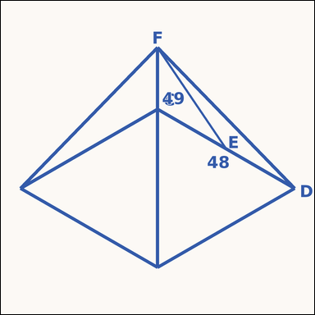 | 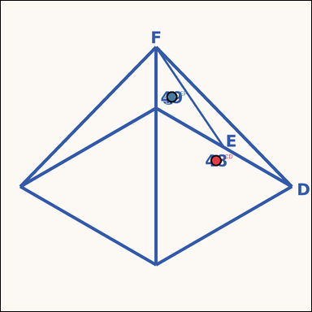 | task_geometry_analytical_3d_value | surface_area | The image shows an annotated 3D solid. Question: The square pyramid has an annotated base side and slant height. What is its total surface area in square units? Return a valid JSON object with keys "evidence" and "answer" in that order. Evidence format: set "evidence" to a JSON object that maps each required annotation label to its shown measurement value. Required annotations: CD, EF. Answer requirement: set "answer" to the value as an integer. Example JSON: {"evidence":{"CD":2,"EF":3},"answer":8} | The image shows an annotated 3D solid. Question: The square pyramid has an annotated base side and slant height. What is its total surface area in square units? Return a valid JSON object with key "answer". Answer requirement: set "answer" to the value as an integer. Example JSON: {"answer":8} | {"evidence": {"CD": 48, "EF": 49}, "answer": 7008} | {"CD": 48, "EF": 49} | integer | measurement_ref_map | 585016520816098 | geometry/task_geometry_analytical_3d_value/images/surface_area/0012.png | geometry/task_geometry_analytical_3d_value/data/surface_area/0012.json
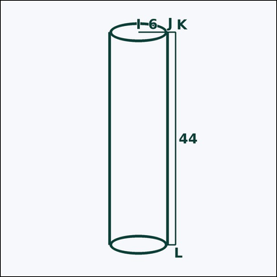 | 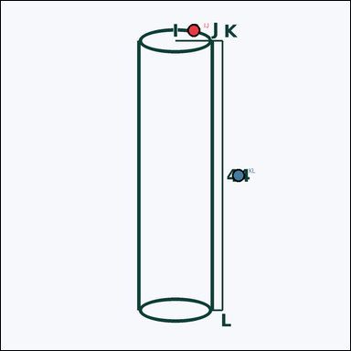 | task_geometry_analytical_3d_value | surface_area | The image shows an annotated 3D solid. Based on the shown values, answer this question: The cylinder has an annotated radius and height. What is its total surface area? Express the result in kπ form. Return a valid JSON object with keys "evidence" and "answer" in that order. Evidence field: set "evidence" to a JSON object that maps each required annotation label to its shown measurement value. Required annotations: IJ, KL. Answer field: set "answer" to the value in the form kπ (for example 12π). Example JSON: {"evidence":{"IJ":2,"KL":3},"answer":"12π"} | The image shows an annotated 3D solid. Based on the shown values, answer this question: The cylinder has an annotated radius and height. What is its total surface area? Express the result in kπ form. Return a valid JSON object with key "answer". Answer format: set "answer" to the value in the form kπ (for example 12π). Example JSON: {"answer":"12π"} | {"evidence": {"IJ": 6, "KL": 44}, "answer": "600π"} | {"IJ": 6, "KL": 44} | pi_expression | measurement_ref_map | 834822902431278 | geometry/task_geometry_analytical_3d_value/images/surface_area/0013.png | geometry/task_geometry_analytical_3d_value/data/surface_area/0013.json
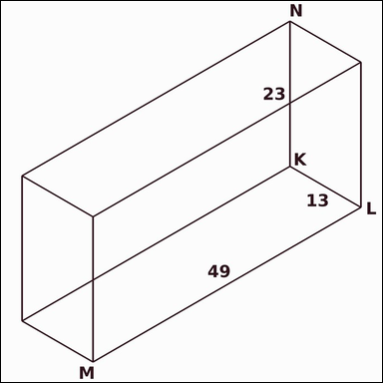 | 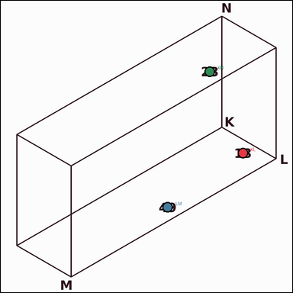 | task_geometry_analytical_3d_value | surface_area | Look at the annotated image showing an annotated 3D solid. Based on the shown values, answer this question: The rectangular prism has annotated length, width, and height. What is its total surface area in square units? Return a valid JSON object with keys "evidence" and "answer" in that order. Evidence format: set "evidence" to a JSON object that maps each required annotation label to its shown measurement value. Required annotations: KL, LM, KN. Answer requirement: set "answer" to the value as an integer. Example JSON: {"evidence":{"KL":2,"LM":3,"KN":4},"answer":8} | Look at the annotated image showing an annotated 3D solid. Based on the shown values, answer this question: The rectangular prism has annotated length, width, and height. What is its total surface area in square units? Return a valid JSON object with key "answer". Answer field: set "answer" to the value as an integer. Example JSON: {"answer":8} | {"evidence": {"KL": 13, "LM": 49, "KN": 23}, "answer": 4126} | {"KL": 13, "LM": 49, "KN": 23} | integer | measurement_ref_map | 1.6756457715E+15 | geometry/task_geometry_analytical_3d_value/images/surface_area/0015.png | geometry/task_geometry_analytical_3d_value/data/surface_area/0015.json
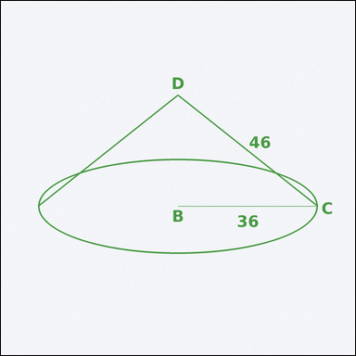 | 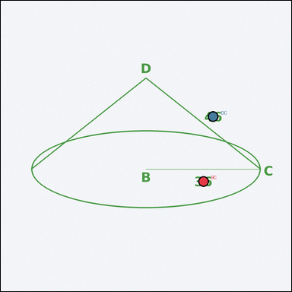 | task_geometry_analytical_3d_value | surface_area | You are given an image showing an annotated 3D solid. Task: The cone has an annotated radius and slant height. What is its total surface area? Express the result in kπ form. Return a valid JSON object with keys "evidence" and "answer" in that order. Evidence field: set "evidence" to a JSON object that maps each required annotation label to its shown measurement value. Required annotations: BC, DC. Answer field: set "answer" to the value in the form kπ (for example 12π). Example JSON: {"evidence":{"BC":2,"DC":3},"answer":"12π"} | You are given an image showing an annotated 3D solid. Task: The cone has an annotated radius and slant height. What is its total surface area? Express the result in kπ form. Return a valid JSON object with key "answer". Answer field: set "answer" to the value in the form kπ (for example 12π). Example JSON: {"answer":"12π"} | {"evidence": {"BC": 36, "DC": 46}, "answer": "2952π"} | {"BC": 36, "DC": 46} | pi_expression | measurement_ref_map | 2.961404657E+15 | geometry/task_geometry_analytical_3d_value/images/surface_area/0003.png | geometry/task_geometry_analytical_3d_value/data/surface_area/0003.json
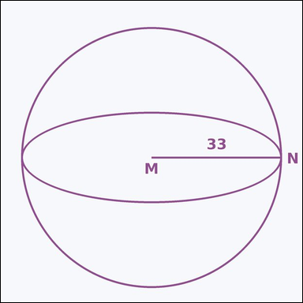 | 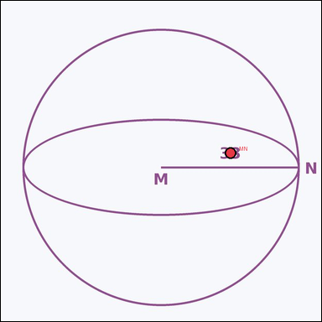 | task_geometry_analytical_3d_value | surface_area | Work from the annotated figure showing an annotated 3D solid. Based on the shown values, answer this question: The sphere has an annotated radius. What is its total surface area? Express the result in kπ form. Return a valid JSON object with keys "evidence" and "answer" in that order. Evidence field: set "evidence" to a JSON object that maps each required annotation label to its shown measurement value. Required annotations: MN. Answer field: set "answer" to the value in the form kπ (for example 12π). Example JSON: {"evidence":{"MN":2},"answer":"12π"} | Work from the annotated figure showing an annotated 3D solid. Based on the shown values, answer this question: The sphere has an annotated radius. What is its total surface area? Express the result in kπ form. Return a valid JSON object with key "answer". Answer: set "answer" to the value in the form kπ (for example 12π). Example JSON: {"answer":"12π"} | {"evidence": {"MN": 33}, "answer": "4356π"} | {"MN": 33} | pi_expression | measurement_ref_map | 3.0815828936E+15 | geometry/task_geometry_analytical_3d_value/images/surface_area/0006.png | geometry/task_geometry_analytical_3d_value/data/surface_area/0006.json
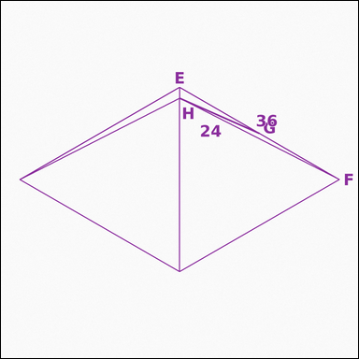 | 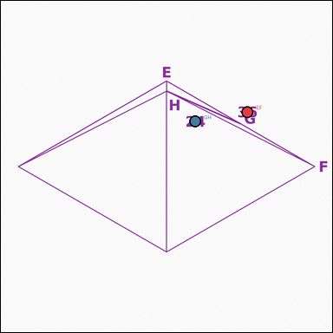 | task_geometry_analytical_3d_value | surface_area | You are given an image showing an annotated 3D solid. Task: The square pyramid has an annotated base side and slant height. What is its total surface area in square units? Return a valid JSON object with keys "evidence" and "answer" in that order. Evidence field: set "evidence" to a JSON object that maps each required annotation label to its shown measurement value. Required annotations: EF, GH. Answer field: set "answer" to the value as an integer. Example JSON: {"evidence":{"EF":2,"GH":3},"answer":8} | You are given an image showing an annotated 3D solid. Task: The square pyramid has an annotated base side and slant height. What is its total surface area in square units? Return a valid JSON object with key "answer". Answer: set "answer" to the value as an integer. Example JSON: {"answer":8} | {"evidence": {"EF": 36, "GH": 24}, "answer": 3024} | {"EF": 36, "GH": 24} | integer | measurement_ref_map | 3.1352670926E+15 | geometry/task_geometry_analytical_3d_value/images/surface_area/0000.png | geometry/task_geometry_analytical_3d_value/data/surface_area/0000.json
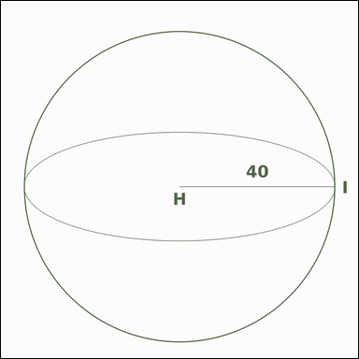 | 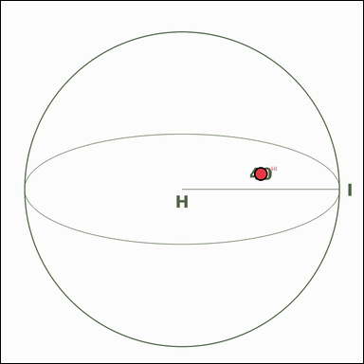 | task_geometry_analytical_3d_value | surface_area | You are given an image showing an annotated 3D solid. Read the marked measurements and answer: The sphere has an annotated radius. What is its total surface area? Express the result in kπ form. Return a valid JSON object with keys "evidence" and "answer" in that order. Evidence format: set "evidence" to a JSON object that maps each required annotation label to its shown measurement value. Required annotations: HI. Answer requirement: set "answer" to the value in the form kπ (for example 12π). Example JSON: {"evidence":{"HI":2},"answer":"12π"} | You are given an image showing an annotated 3D solid. Read the marked measurements and answer: The sphere has an annotated radius. What is its total surface area? Express the result in kπ form. Return a valid JSON object with key "answer". Answer field: set "answer" to the value in the form kπ (for example 12π). Example JSON: {"answer":"12π"} | {"evidence": {"HI": 40}, "answer": "6400π"} | {"HI": 40} | pi_expression | measurement_ref_map | 4.7643413362E+15 | geometry/task_geometry_analytical_3d_value/images/surface_area/0001.png | geometry/task_geometry_analytical_3d_value/data/surface_area/0001.json
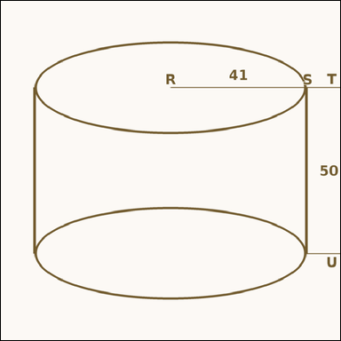 | 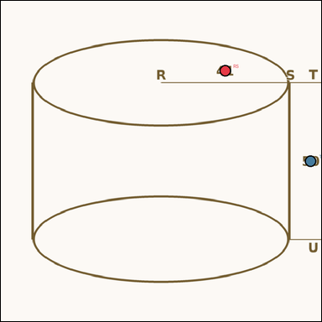 | task_geometry_analytical_3d_value | surface_area | You are given an image showing an annotated 3D solid. Task: The cylinder has an annotated radius and height. What is its total surface area? Express the result in kπ form. Return a valid JSON object with keys "evidence" and "answer" in that order. Evidence requirement: set "evidence" to a JSON object that maps each required annotation label to its shown measurement value. Required annotations: RS, TU. Answer format: set "answer" to the value in the form kπ (for example 12π). Example JSON: {"evidence":{"RS":2,"TU":3},"answer":"12π"} | You are given an image showing an annotated 3D solid. Task: The cylinder has an annotated radius and height. What is its total surface area? Express the result in kπ form. Return a valid JSON object with key "answer". Answer field: set "answer" to the value in the form kπ (for example 12π). Example JSON: {"answer":"12π"} | {"evidence": {"RS": 41, "TU": 50}, "answer": "7462π"} | {"RS": 41, "TU": 50} | pi_expression | measurement_ref_map | 4.9833872123E+15 | geometry/task_geometry_analytical_3d_value/images/surface_area/0002.png | geometry/task_geometry_analytical_3d_value/data/surface_area/0002.json
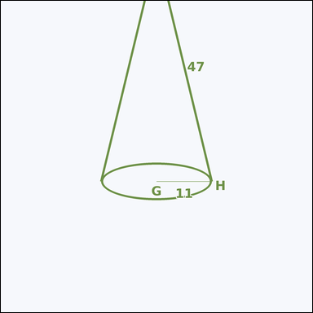 | 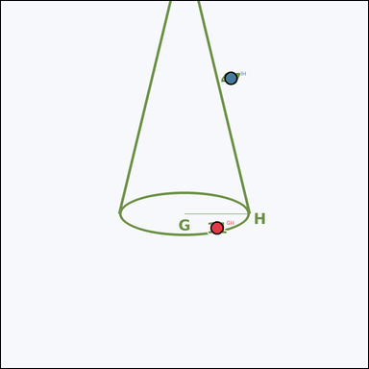 | task_geometry_analytical_3d_value | surface_area | Work from the annotated figure showing an annotated 3D solid. The cone has an annotated radius and slant height. What is its total surface area? Express the result in kπ form. Return a valid JSON object with keys "evidence" and "answer" in that order. Evidence rule: set "evidence" to a JSON object that maps each required annotation label to its shown measurement value. Required annotations: GH, IH. Answer rule: set "answer" to the value in the form kπ (for example 12π). Example JSON: {"evidence":{"GH":2,"IH":3},"answer":"12π"} | Work from the annotated figure showing an annotated 3D solid. The cone has an annotated radius and slant height. What is its total surface area? Express the result in kπ form. Return a valid JSON object with key "answer". Answer rule: set "answer" to the value in the form kπ (for example 12π). Example JSON: {"answer":"12π"} | {"evidence": {"GH": 11, "IH": 47}, "answer": "638π"} | {"GH": 11, "IH": 47} | pi_expression | measurement_ref_map | 5.1319897094E+15 | geometry/task_geometry_analytical_3d_value/images/surface_area/0007.png | geometry/task_geometry_analytical_3d_value/data/surface_area/0007.json
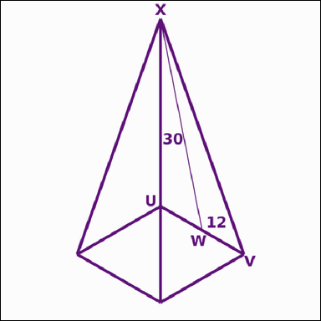 | 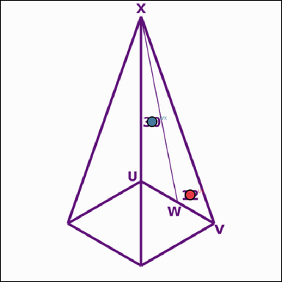 | task_geometry_analytical_3d_value | surface_area | Work from the annotated figure showing an annotated 3D solid. Question: The square pyramid has an annotated base side and slant height. What is its total surface area in square units? Return a valid JSON object with keys "evidence" and "answer" in that order. Evidence field: set "evidence" to a JSON object that maps each required annotation label to its shown measurement value. Required annotations: UV, WX. Answer field: set "answer" to the value as an integer. Example JSON: {"evidence":{"UV":2,"WX":3},"answer":8} | Work from the annotated figure showing an annotated 3D solid. Question: The square pyramid has an annotated base side and slant height. What is its total surface area in square units? Return a valid JSON object with key "answer". Answer: set "answer" to the value as an integer. Example JSON: {"answer":8} | {"evidence": {"UV": 12, "WX": 30}, "answer": 864} | {"UV": 12, "WX": 30} | integer | measurement_ref_map | 5.161299297E+15 | geometry/task_geometry_analytical_3d_value/images/surface_area/0021.png | geometry/task_geometry_analytical_3d_value/data/surface_area/0021.json
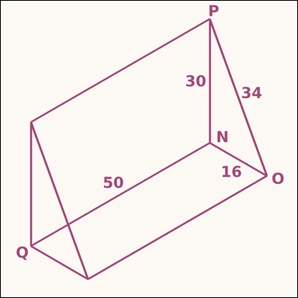 | 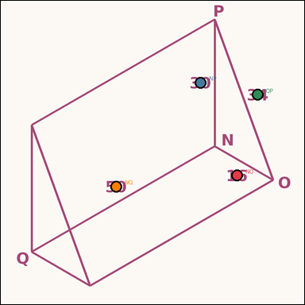 | task_geometry_analytical_3d_value | surface_area | Look at the annotated image showing an annotated 3D solid. Based on the shown values, answer this question: The triangular prism has annotated side lengths for the triangular base and an annotated prism length. What is its total surface area in square units? Return a valid JSON object with keys "evidence" and "answer" in that order. Evidence field: set "evidence" to a JSON object that maps each required annotation label to its shown measurement value. Required annotations: NO, NP, OP, NQ. Answer field: set "answer" to the value as an integer. Example JSON: {"evidence":{"NO":2,"NP":3,"OP":4,"NQ":5},"answer":8} | Look at the annotated image showing an annotated 3D solid. Based on the shown values, answer this question: The triangular prism has annotated side lengths for the triangular base and an annotated prism length. What is its total surface area in square units? Return a valid JSON object with key "answer". Answer format: set "answer" to the value as an integer. Example JSON: {"answer":8} | {"evidence": {"NO": 16, "NP": 30, "OP": 34, "NQ": 50}, "answer": 4480} | {"NO": 16, "NP": 30, "OP": 34, "NQ": 50} | integer | measurement_ref_map | 5.3595864768E+15 | geometry/task_geometry_analytical_3d_value/images/surface_area/0019.png | geometry/task_geometry_analytical_3d_value/data/surface_area/0019.json
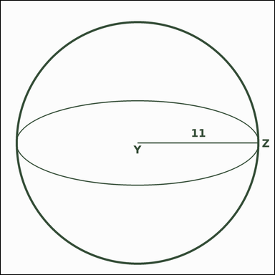 | 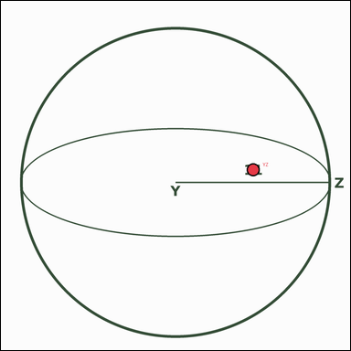 | task_geometry_analytical_3d_value | surface_area | Look at the annotated image showing an annotated 3D solid. Read the marked measurements and answer: The sphere has an annotated radius. What is its total surface area? Express the result in kπ form. Return a valid JSON object with keys "evidence" and "answer" in that order. Evidence requirement: set "evidence" to a JSON object that maps each required annotation label to its shown measurement value. Required annotations: YZ. Answer format: set "answer" to the value in the form kπ (for example 12π). Example JSON: {"evidence":{"YZ":2},"answer":"12π"} | Look at the annotated image showing an annotated 3D solid. Read the marked measurements and answer: The sphere has an annotated radius. What is its total surface area? Express the result in kπ form. Return a valid JSON object with key "answer". Answer rule: set "answer" to the value in the form kπ (for example 12π). Example JSON: {"answer":"12π"} | {"evidence": {"YZ": 11}, "answer": "484π"} | {"YZ": 11} | pi_expression | measurement_ref_map | 6.1540224888E+15 | geometry/task_geometry_analytical_3d_value/images/surface_area/0024.png | geometry/task_geometry_analytical_3d_value/data/surface_area/0024.json
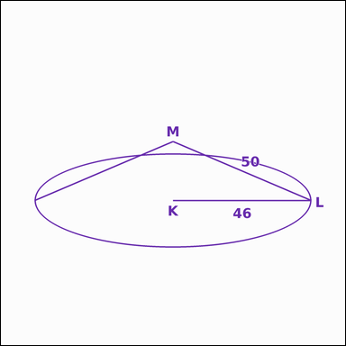 | 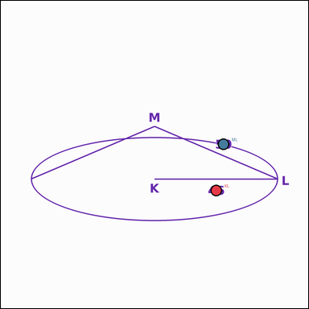 | task_geometry_analytical_3d_value | surface_area | You are given an image showing an annotated 3D solid. Question: The cone has an annotated radius and slant height. What is its total surface area? Express the result in kπ form. Return a valid JSON object with keys "evidence" and "answer" in that order. Evidence: set "evidence" to a JSON object that maps each required annotation label to its shown measurement value. Required annotations: KL, ML. Answer: set "answer" to the value in the form kπ (for example 12π). Example JSON: {"evidence":{"KL":2,"ML":3},"answer":"12π"} | You are given an image showing an annotated 3D solid. Question: The cone has an annotated radius and slant height. What is its total surface area? Express the result in kπ form. Return a valid JSON object with key "answer". Answer field: set "answer" to the value in the form kπ (for example 12π). Example JSON: {"answer":"12π"} | {"evidence": {"KL": 46, "ML": 50}, "answer": "4416π"} | {"KL": 46, "ML": 50} | pi_expression | measurement_ref_map | 6.3154764583E+15 | geometry/task_geometry_analytical_3d_value/images/surface_area/0018.png | geometry/task_geometry_analytical_3d_value/data/surface_area/0018.json
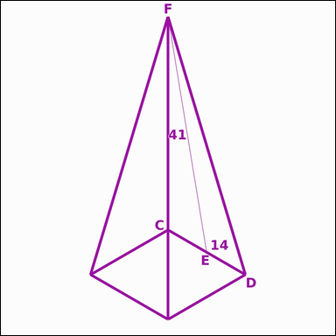 | 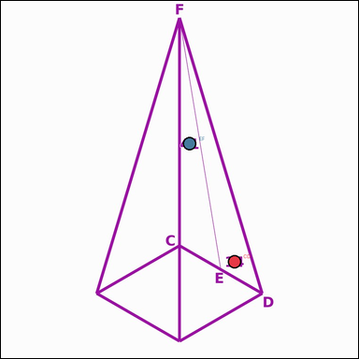 | task_geometry_analytical_3d_value | surface_area | Use the image showing an annotated 3D solid. The square pyramid has an annotated base side and slant height. What is its total surface area in square units? Return a valid JSON object with keys "evidence" and "answer" in that order. Evidence rule: set "evidence" to a JSON object that maps each required annotation label to its shown measurement value. Required annotations: CD, EF. Answer rule: set "answer" to the value as an integer. Example JSON: {"evidence":{"CD":2,"EF":3},"answer":8} | Use the image showing an annotated 3D solid. The square pyramid has an annotated base side and slant height. What is its total surface area in square units? Return a valid JSON object with key "answer". Answer field: set "answer" to the value as an integer. Example JSON: {"answer":8} | {"evidence": {"CD": 14, "EF": 41}, "answer": 1344} | {"CD": 14, "EF": 41} | integer | measurement_ref_map | 6.3178948952E+15 | geometry/task_geometry_analytical_3d_value/images/surface_area/0004.png | geometry/task_geometry_analytical_3d_value/data/surface_area/0004.json
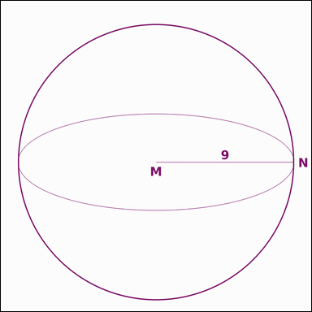 | 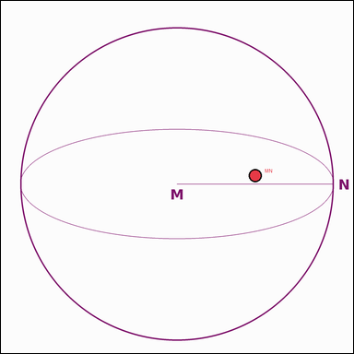 | task_geometry_analytical_3d_value | surface_area | Work from the annotated figure showing an annotated 3D solid. Based on the shown values, answer this question: The sphere has an annotated radius. What is its total surface area? Express the result in kπ form. Return a valid JSON object with keys "evidence" and "answer" in that order. Evidence field: set "evidence" to a JSON object that maps each required annotation label to its shown measurement value. Required annotations: MN. Answer field: set "answer" to the value in the form kπ (for example 12π). Example JSON: {"evidence":{"MN":2},"answer":"12π"} | Work from the annotated figure showing an annotated 3D solid. Based on the shown values, answer this question: The sphere has an annotated radius. What is its total surface area? Express the result in kπ form. Return a valid JSON object with key "answer". Answer rule: set "answer" to the value in the form kπ (for example 12π). Example JSON: {"answer":"12π"} | {"evidence": {"MN": 9}, "answer": "324π"} | {"MN": 9} | pi_expression | measurement_ref_map | 6.4675206499E+15 | geometry/task_geometry_analytical_3d_value/images/surface_area/0017.png | geometry/task_geometry_analytical_3d_value/data/surface_area/0017.json
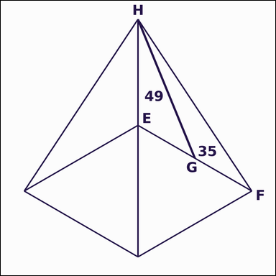 | 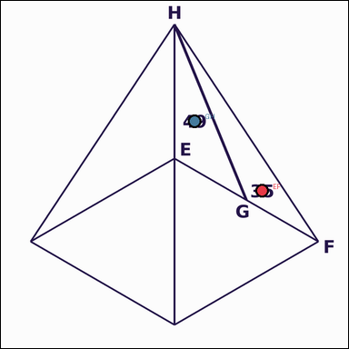 | task_geometry_analytical_3d_value | surface_area | Look at the annotated image showing an annotated 3D solid. Read the marked measurements and answer: The square pyramid has an annotated base side and slant height. What is its total surface area in square units? Return a valid JSON object with keys "evidence" and "answer" in that order. Evidence field: set "evidence" to a JSON object that maps each required annotation label to its shown measurement value. Required annotations: EF, GH. Answer field: set "answer" to the value as an integer. Example JSON: {"evidence":{"EF":2,"GH":3},"answer":8} | Look at the annotated image showing an annotated 3D solid. Read the marked measurements and answer: The square pyramid has an annotated base side and slant height. What is its total surface area in square units? Return a valid JSON object with key "answer". Answer: set "answer" to the value as an integer. Example JSON: {"answer":8} | {"evidence": {"EF": 35, "GH": 49}, "answer": 4655} | {"EF": 35, "GH": 49} | integer | measurement_ref_map | 6.5632096796E+15 | geometry/task_geometry_analytical_3d_value/images/surface_area/0010.png | geometry/task_geometry_analytical_3d_value/data/surface_area/0010.json
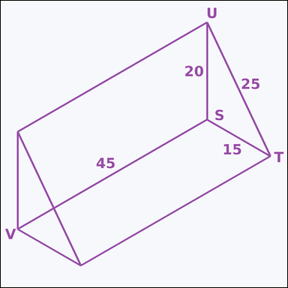 | 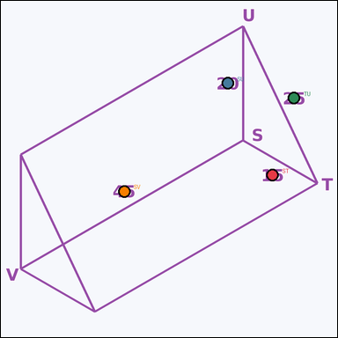 | task_geometry_analytical_3d_value | surface_area | Use the image showing an annotated 3D solid. Question: The triangular prism has annotated side lengths for the triangular base and an annotated prism length. What is its total surface area in square units? Return a valid JSON object with keys "evidence" and "answer" in that order. Evidence rule: set "evidence" to a JSON object that maps each required annotation label to its shown measurement value. Required annotations: ST, SU, TU, SV. Answer rule: set "answer" to the value as an integer. Example JSON: {"evidence":{"ST":2,"SU":3,"TU":4,"SV":5},"answer":8} | Use the image showing an annotated 3D solid. Question: The triangular prism has annotated side lengths for the triangular base and an annotated prism length. What is its total surface area in square units? Return a valid JSON object with key "answer". Answer rule: set "answer" to the value as an integer. Example JSON: {"answer":8} | {"evidence": {"ST": 15, "SU": 20, "TU": 25, "SV": 45}, "answer": 3000} | {"ST": 15, "SU": 20, "TU": 25, "SV": 45} | integer | measurement_ref_map | 6.5651389275E+15 | geometry/task_geometry_analytical_3d_value/images/surface_area/0020.png | geometry/task_geometry_analytical_3d_value/data/surface_area/0020.json
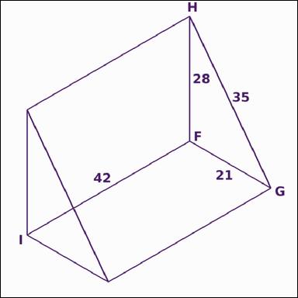 | 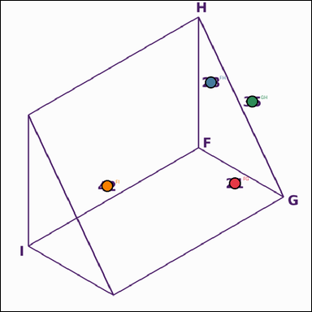 | task_geometry_analytical_3d_value | surface_area | You are given an image showing an annotated 3D solid. Task: The triangular prism has annotated side lengths for the triangular base and an annotated prism length. What is its total surface area in square units? Return a valid JSON object with keys "evidence" and "answer" in that order. Evidence requirement: set "evidence" to a JSON object that maps each required annotation label to its shown measurement value. Required annotations: FG, FH, GH, FI. Answer format: set "answer" to the value as an integer. Example JSON: {"evidence":{"FG":2,"FH":3,"GH":4,"FI":5},"answer":8} | You are given an image showing an annotated 3D solid. Task: The triangular prism has annotated side lengths for the triangular base and an annotated prism length. What is its total surface area in square units? Return a valid JSON object with key "answer". Answer field: set "answer" to the value as an integer. Example JSON: {"answer":8} | {"evidence": {"FG": 21, "FH": 28, "GH": 35, "FI": 42}, "answer": 4116} | {"FG": 21, "FH": 28, "GH": 35, "FI": 42} | integer | measurement_ref_map | 6.6003633198E+15 | geometry/task_geometry_analytical_3d_value/images/surface_area/0011.png | geometry/task_geometry_analytical_3d_value/data/surface_area/0011.json
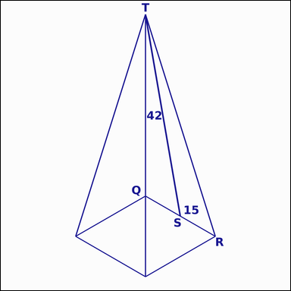 | 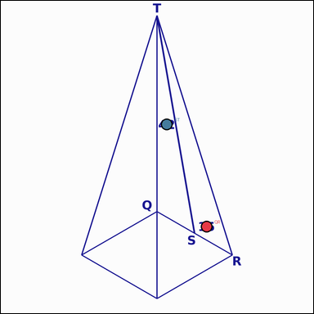 | task_geometry_analytical_3d_value | surface_area | The image shows an annotated 3D solid. The square pyramid has an annotated base side and slant height. What is its total surface area in square units? Return a valid JSON object with keys "evidence" and "answer" in that order. Evidence field: set "evidence" to a JSON object that maps each required annotation label to its shown measurement value. Required annotations: QR, ST. Answer field: set "answer" to the value as an integer. Example JSON: {"evidence":{"QR":2,"ST":3},"answer":8} | The image shows an annotated 3D solid. The square pyramid has an annotated base side and slant height. What is its total surface area in square units? Return a valid JSON object with key "answer". Answer format: set "answer" to the value as an integer. Example JSON: {"answer":8} | {"evidence": {"QR": 15, "ST": 42}, "answer": 1485} | {"QR": 15, "ST": 42} | integer | measurement_ref_map | 6.7881051965E+15 | geometry/task_geometry_analytical_3d_value/images/surface_area/0016.png | geometry/task_geometry_analytical_3d_value/data/surface_area/0016.json
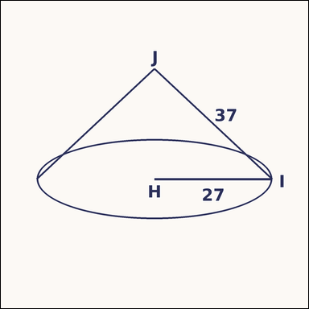 | 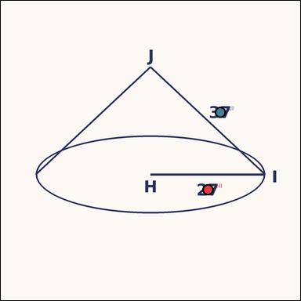 | task_geometry_analytical_3d_value | surface_area | The image shows an annotated 3D solid. Based on the shown values, answer this question: The cone has an annotated radius and slant height. What is its total surface area? Express the result in kπ form. Return a valid JSON object with keys "evidence" and "answer" in that order. Evidence: set "evidence" to a JSON object that maps each required annotation label to its shown measurement value. Required annotations: HI, JI. Answer: set "answer" to the value in the form kπ (for example 12π). Example JSON: {"evidence":{"HI":2,"JI":3},"answer":"12π"} | The image shows an annotated 3D solid. Based on the shown values, answer this question: The cone has an annotated radius and slant height. What is its total surface area? Express the result in kπ form. Return a valid JSON object with key "answer". Answer: set "answer" to the value in the form kπ (for example 12π). Example JSON: {"answer":"12π"} | {"evidence": {"HI": 27, "JI": 37}, "answer": "1728π"} | {"HI": 27, "JI": 37} | pi_expression | measurement_ref_map | 6.8207228201E+15 | geometry/task_geometry_analytical_3d_value/images/surface_area/0014.png | geometry/task_geometry_analytical_3d_value/data/surface_area/0014.json
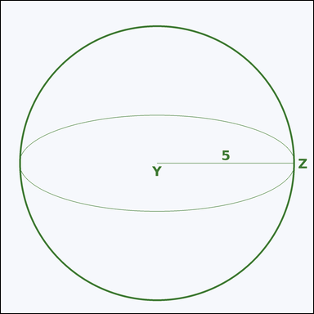 | 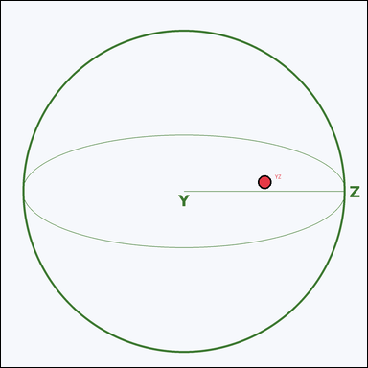 | task_geometry_analytical_3d_value | surface_area | Use the image showing an annotated 3D solid. Based on the shown values, answer this question: The sphere has an annotated radius. What is its total surface area? Express the result in kπ form. Return a valid JSON object with keys "evidence" and "answer" in that order. Evidence rule: set "evidence" to a JSON object that maps each required annotation label to its shown measurement value. Required annotations: YZ. Answer rule: set "answer" to the value in the form kπ (for example 12π). Example JSON: {"evidence":{"YZ":2},"answer":"12π"} | Use the image showing an annotated 3D solid. Based on the shown values, answer this question: The sphere has an annotated radius. What is its total surface area? Express the result in kπ form. Return a valid JSON object with key "answer". Answer rule: set "answer" to the value in the form kπ (for example 12π). Example JSON: {"answer":"12π"} | {"evidence": {"YZ": 5}, "answer": "100π"} | {"YZ": 5} | pi_expression | measurement_ref_map | 7.0366860836E+15 | geometry/task_geometry_analytical_3d_value/images/surface_area/0008.png | geometry/task_geometry_analytical_3d_value/data/surface_area/0008.json
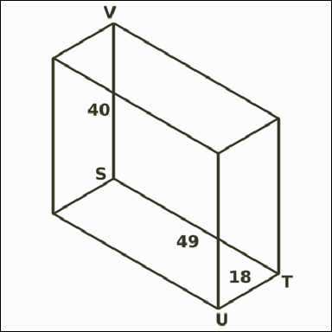 | 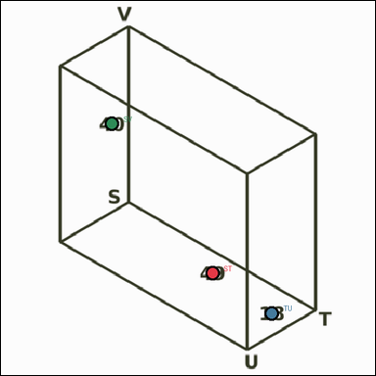 | task_geometry_analytical_3d_value | surface_area | Look at the annotated image showing an annotated 3D solid. Question: The rectangular prism has annotated length, width, and height. What is its total surface area in square units? Return a valid JSON object with keys "evidence" and "answer" in that order. Evidence field: set "evidence" to a JSON object that maps each required annotation label to its shown measurement value. Required annotations: ST, TU, SV. Answer field: set "answer" to the value as an integer. Example JSON: {"evidence":{"ST":2,"TU":3,"SV":4},"answer":8} | Look at the annotated image showing an annotated 3D solid. Question: The rectangular prism has annotated length, width, and height. What is its total surface area in square units? Return a valid JSON object with key "answer". Answer format: set "answer" to the value as an integer. Example JSON: {"answer":8} | {"evidence": {"ST": 49, "TU": 18, "SV": 40}, "answer": 7124} | {"ST": 49, "TU": 18, "SV": 40} | integer | measurement_ref_map | 7.3224593611E+15 | geometry/task_geometry_analytical_3d_value/images/surface_area/0023.png | geometry/task_geometry_analytical_3d_value/data/surface_area/0023.json
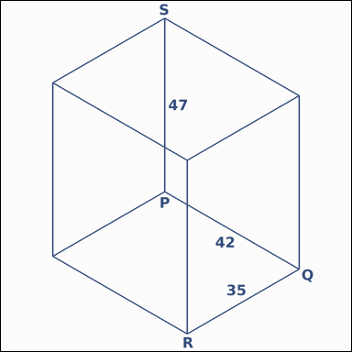 | 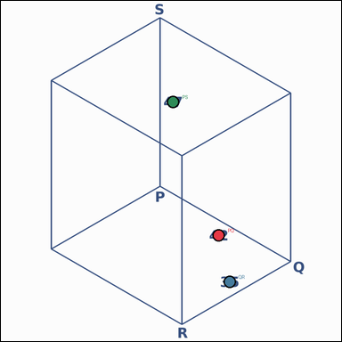 | task_geometry_analytical_3d_value | surface_area | Use the image showing an annotated 3D solid. The rectangular prism has annotated length, width, and height. What is its total surface area in square units? Return a valid JSON object with keys "evidence" and "answer" in that order. Evidence: set "evidence" to a JSON object that maps each required annotation label to its shown measurement value. Required annotations: PQ, QR, PS. Answer: set "answer" to the value as an integer. Example JSON: {"evidence":{"PQ":2,"QR":3,"PS":4},"answer":8} | Use the image showing an annotated 3D solid. The rectangular prism has annotated length, width, and height. What is its total surface area in square units? Return a valid JSON object with key "answer". Answer requirement: set "answer" to the value as an integer. Example JSON: {"answer":8} | {"evidence": {"PQ": 42, "QR": 35, "PS": 47}, "answer": 10178} | {"PQ": 42, "QR": 35, "PS": 47} | integer | measurement_ref_map | 8.0754218813E+15 | geometry/task_geometry_analytical_3d_value/images/surface_area/0005.png | geometry/task_geometry_analytical_3d_value/data/surface_area/0005.json
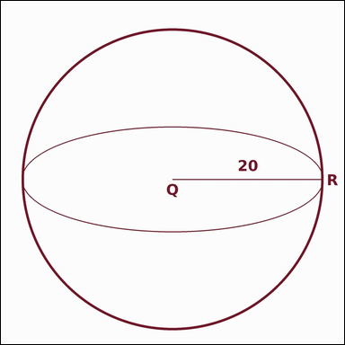 | 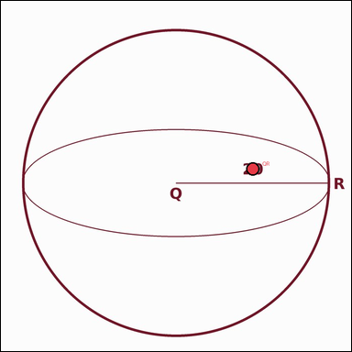 | task_geometry_analytical_3d_value | surface_area | Use the image showing an annotated 3D solid. Based on the shown values, answer this question: The sphere has an annotated radius. What is its total surface area? Express the result in kπ form. Return a valid JSON object with keys "evidence" and "answer" in that order. Evidence format: set "evidence" to a JSON object that maps each required annotation label to its shown measurement value. Required annotations: QR. Answer requirement: set "answer" to the value in the form kπ (for example 12π). Example JSON: {"evidence":{"QR":2},"answer":"12π"} | Use the image showing an annotated 3D solid. Based on the shown values, answer this question: The sphere has an annotated radius. What is its total surface area? Express the result in kπ form. Return a valid JSON object with key "answer". Answer format: set "answer" to the value in the form kπ (for example 12π). Example JSON: {"answer":"12π"} | {"evidence": {"QR": 20}, "answer": "1600π"} | {"QR": 20} | pi_expression | measurement_ref_map | 8.2152879624E+15 | geometry/task_geometry_analytical_3d_value/images/surface_area/0022.png | geometry/task_geometry_analytical_3d_value/data/surface_area/0022.json
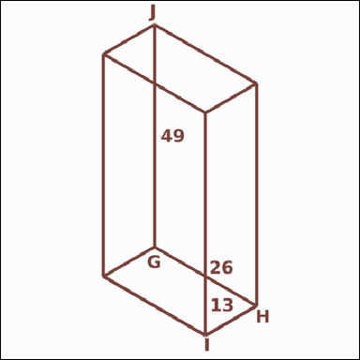 | 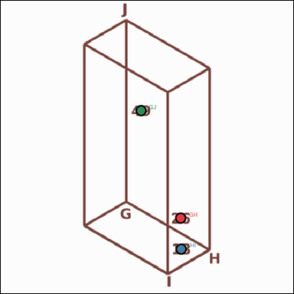 | task_geometry_analytical_3d_value | surface_area | Work from the annotated figure showing an annotated 3D solid. Task: The rectangular prism has annotated length, width, and height. What is its total surface area in square units? Return a valid JSON object with keys "evidence" and "answer" in that order. Evidence requirement: set "evidence" to a JSON object that maps each required annotation label to its shown measurement value. Required annotations: GH, HI, GJ. Answer format: set "answer" to the value as an integer. Example JSON: {"evidence":{"GH":2,"HI":3,"GJ":4},"answer":8} | Work from the annotated figure showing an annotated 3D solid. Task: The rectangular prism has annotated length, width, and height. What is its total surface area in square units? Return a valid JSON object with key "answer". Answer field: set "answer" to the value as an integer. Example JSON: {"answer":8} | {"evidence": {"GH": 26, "HI": 13, "GJ": 49}, "answer": 4498} | {"GH": 26, "HI": 13, "GJ": 49} | integer | measurement_ref_map | 8.5169701289E+15 | geometry/task_geometry_analytical_3d_value/images/surface_area/0009.png | geometry/task_geometry_analytical_3d_value/data/surface_area/0009.json

volume
image | evidence_image | task | task_variant | prompt | prompt_answer_only | answer | answer_evidence | answer_type | evidence_type | instance_seed | image_path | data_path
 |  | task_geometry_analytical_3d_value | volume | Work from the annotated figure showing an annotated 3D solid. Read the marked measurements and answer: The triangular prism has an annotated triangle base, triangle height, and prism length. What is its volume in cubic units? Return a valid JSON object with keys "evidence" and "answer" in that order. Evidence field: set "evidence" to a JSON object that maps each required annotation label to its shown measurement value. Required annotations: FG, FH, FI. Answer field: set "answer" to the value as an integer. Example JSON: {"evidence":{"FG":2,"FH":3,"FI":4},"answer":8} | Work from the annotated figure showing an annotated 3D solid. Read the marked measurements and answer: The triangular prism has an annotated triangle base, triangle height, and prism length. What is its volume in cubic units? Return a valid JSON object with key "answer". Answer format: set "answer" to the value as an integer. Example JSON: {"answer":8} | {"evidence": {"FG": 10, "FH": 23, "FI": 15}, "answer": 1725} | {"FG": 10, "FH": 23, "FI": 15} | integer | measurement_ref_map | 87139262147013 | geometry/task_geometry_analytical_3d_value/images/volume/0013.png | geometry/task_geometry_analytical_3d_value/data/volume/0013.json
 |  | task_geometry_analytical_3d_value | volume | Use the image showing an annotated 3D solid. Question: The rectangular prism has annotated length, width, and height. What is its volume in cubic units? Return a valid JSON object with keys "evidence" and "answer" in that order. Evidence field: set "evidence" to a JSON object that maps each required annotation label to its shown measurement value. Required annotations: EF, FG, EH. Answer field: set "answer" to the value as an integer. Example JSON: {"evidence":{"EF":2,"FG":3,"EH":4},"answer":8} | Use the image showing an annotated 3D solid. Question: The rectangular prism has annotated length, width, and height. What is its volume in cubic units? Return a valid JSON object with key "answer". Answer requirement: set "answer" to the value as an integer. Example JSON: {"answer":8} | {"evidence": {"EF": 47, "FG": 41, "EH": 17}, "answer": 32759} | {"EF": 47, "FG": 41, "EH": 17} | integer | measurement_ref_map | 558792218275212 | geometry/task_geometry_analytical_3d_value/images/volume/0020.png | geometry/task_geometry_analytical_3d_value/data/volume/0020.json
 |  | task_geometry_analytical_3d_value | volume | The image shows an annotated 3D solid. Based on the shown values, answer this question: The triangular prism has an annotated triangle base, triangle height, and prism length. What is its volume in cubic units? Return a valid JSON object with keys "evidence" and "answer" in that order. Evidence requirement: set "evidence" to a JSON object that maps each required annotation label to its shown measurement value. Required annotations: ZA, ZB, ZC. Answer format: set "answer" to the value as an integer. Example JSON: {"evidence":{"ZA":2,"ZB":3,"ZC":4},"answer":8} | The image shows an annotated 3D solid. Based on the shown values, answer this question: The triangular prism has an annotated triangle base, triangle height, and prism length. What is its volume in cubic units? Return a valid JSON object with key "answer". Answer format: set "answer" to the value as an integer. Example JSON: {"answer":8} | {"evidence": {"ZA": 50, "ZB": 21, "ZC": 7}, "answer": 3675} | {"ZA": 50, "ZB": 21, "ZC": 7} | integer | measurement_ref_map | 576512490849321 | geometry/task_geometry_analytical_3d_value/images/volume/0015.png | geometry/task_geometry_analytical_3d_value/data/volume/0015.json
 |  | task_geometry_analytical_3d_value | volume | The image shows an annotated 3D solid. Based on the shown values, answer this question: The rectangular prism has annotated length, width, and height. What is its volume in cubic units? Return a valid JSON object with keys "evidence" and "answer" in that order. Evidence rule: set "evidence" to a JSON object that maps each required annotation label to its shown measurement value. Required annotations: IJ, JK, IL. Answer rule: set "answer" to the value as an integer. Example JSON: {"evidence":{"IJ":2,"JK":3,"IL":4},"answer":8} | The image shows an annotated 3D solid. Based on the shown values, answer this question: The rectangular prism has annotated length, width, and height. What is its volume in cubic units? Return a valid JSON object with key "answer". Answer: set "answer" to the value as an integer. Example JSON: {"answer":8} | {"evidence": {"IJ": 22, "JK": 40, "IL": 8}, "answer": 7040} | {"IJ": 22, "JK": 40, "IL": 8} | integer | measurement_ref_map | 1.1058538222E+15 | geometry/task_geometry_analytical_3d_value/images/volume/0007.png | geometry/task_geometry_analytical_3d_value/data/volume/0007.json
 |  | task_geometry_analytical_3d_value | volume | The image shows an annotated 3D solid. Question: The square pyramid has an annotated base side and vertical height. What is its volume in cubic units? Return a valid JSON object with keys "evidence" and "answer" in that order. Evidence field: set "evidence" to a JSON object that maps each required annotation label to its shown measurement value. Required annotations: XY, ZA. Answer field: set "answer" to the value as an integer. Example JSON: {"evidence":{"XY":2,"ZA":3},"answer":8} | The image shows an annotated 3D solid. Question: The square pyramid has an annotated base side and vertical height. What is its volume in cubic units? Return a valid JSON object with key "answer". Answer field: set "answer" to the value as an integer. Example JSON: {"answer":8} | {"evidence": {"XY": 33, "ZA": 30}, "answer": 10890} | {"XY": 33, "ZA": 30} | integer | measurement_ref_map | 1.1182291893E+15 | geometry/task_geometry_analytical_3d_value/images/volume/0002.png | geometry/task_geometry_analytical_3d_value/data/volume/0002.json
 |  | task_geometry_analytical_3d_value | volume | Use the image showing an annotated 3D solid. The triangular prism has an annotated triangle base, triangle height, and prism length. What is its volume in cubic units? Return a valid JSON object with keys "evidence" and "answer" in that order. Evidence requirement: set "evidence" to a JSON object that maps each required annotation label to its shown measurement value. Required annotations: RS, RT, RU. Answer format: set "answer" to the value as an integer. Example JSON: {"evidence":{"RS":2,"RT":3,"RU":4},"answer":8} | Use the image showing an annotated 3D solid. The triangular prism has an annotated triangle base, triangle height, and prism length. What is its volume in cubic units? Return a valid JSON object with key "answer". Answer format: set "answer" to the value as an integer. Example JSON: {"answer":8} | {"evidence": {"RS": 25, "RT": 42, "RU": 40}, "answer": 21000} | {"RS": 25, "RT": 42, "RU": 40} | integer | measurement_ref_map | 1.7046175137E+15 | geometry/task_geometry_analytical_3d_value/images/volume/0022.png | geometry/task_geometry_analytical_3d_value/data/volume/0022.json
 |  | task_geometry_analytical_3d_value | volume | Work from the annotated figure showing an annotated 3D solid. Based on the shown values, answer this question: The triangular prism has an annotated triangle base, triangle height, and prism length. What is its volume in cubic units? Return a valid JSON object with keys "evidence" and "answer" in that order. Evidence requirement: set "evidence" to a JSON object that maps each required annotation label to its shown measurement value. Required annotations: QR, QS, QT. Answer format: set "answer" to the value as an integer. Example JSON: {"evidence":{"QR":2,"QS":3,"QT":4},"answer":8} | Work from the annotated figure showing an annotated 3D solid. Based on the shown values, answer this question: The triangular prism has an annotated triangle base, triangle height, and prism length. What is its volume in cubic units? Return a valid JSON object with key "answer". Answer requirement: set "answer" to the value as an integer. Example JSON: {"answer":8} | {"evidence": {"QR": 22, "QS": 28, "QT": 11}, "answer": 3388} | {"QR": 22, "QS": 28, "QT": 11} | integer | measurement_ref_map | 1.9792675922E+15 | geometry/task_geometry_analytical_3d_value/images/volume/0011.png | geometry/task_geometry_analytical_3d_value/data/volume/0011.json
 |  | task_geometry_analytical_3d_value | volume | Work from the annotated figure showing an annotated 3D solid. Task: The sphere has an annotated radius. What is its volume? Express the result in kπ form. Return a valid JSON object with keys "evidence" and "answer" in that order. Evidence field: set "evidence" to a JSON object that maps each required annotation label to its shown measurement value. Required annotations: HI. Answer field: set "answer" to the value in the form kπ (for example 12π). Example JSON: {"evidence":{"HI":2},"answer":"12π"} | Work from the annotated figure showing an annotated 3D solid. Task: The sphere has an annotated radius. What is its volume? Express the result in kπ form. Return a valid JSON object with key "answer". Answer requirement: set "answer" to the value in the form kπ (for example 12π). Example JSON: {"answer":"12π"} | {"evidence": {"HI": 18}, "answer": "7776π"} | {"HI": 18} | pi_expression | measurement_ref_map | 2.6119199439E+15 | geometry/task_geometry_analytical_3d_value/images/volume/0016.png | geometry/task_geometry_analytical_3d_value/data/volume/0016.json
 |  | task_geometry_analytical_3d_value | volume | You are given an image showing an annotated 3D solid. Question: The triangular prism has an annotated triangle base, triangle height, and prism length. What is its volume in cubic units? Return a valid JSON object with keys "evidence" and "answer" in that order. Evidence format: set "evidence" to a JSON object that maps each required annotation label to its shown measurement value. Required annotations: VW, VX, VY. Answer requirement: set "answer" to the value as an integer. Example JSON: {"evidence":{"VW":2,"VX":3,"VY":4},"answer":8} | You are given an image showing an annotated 3D solid. Question: The triangular prism has an annotated triangle base, triangle height, and prism length. What is its volume in cubic units? Return a valid JSON object with key "answer". Answer field: set "answer" to the value as an integer. Example JSON: {"answer":8} | {"evidence": {"VW": 10, "VX": 18, "VY": 10}, "answer": 900} | {"VW": 10, "VX": 18, "VY": 10} | integer | measurement_ref_map | 2.829994375E+15 | geometry/task_geometry_analytical_3d_value/images/volume/0008.png | geometry/task_geometry_analytical_3d_value/data/volume/0008.json
 |  | task_geometry_analytical_3d_value | volume | Work from the annotated figure showing an annotated 3D solid. Question: The cylinder has an annotated radius and height. What is its volume? Express the result in kπ form. Return a valid JSON object with keys "evidence" and "answer" in that order. Evidence rule: set "evidence" to a JSON object that maps each required annotation label to its shown measurement value. Required annotations: EF, GH. Answer rule: set "answer" to the value in the form kπ (for example 12π). Example JSON: {"evidence":{"EF":2,"GH":3},"answer":"12π"} | Work from the annotated figure showing an annotated 3D solid. Question: The cylinder has an annotated radius and height. What is its volume? Express the result in kπ form. Return a valid JSON object with key "answer". Answer format: set "answer" to the value in the form kπ (for example 12π). Example JSON: {"answer":"12π"} | {"evidence": {"EF": 40, "GH": 23}, "answer": "36800π"} | {"EF": 40, "GH": 23} | pi_expression | measurement_ref_map | 2.8974264424E+15 | geometry/task_geometry_analytical_3d_value/images/volume/0019.png | geometry/task_geometry_analytical_3d_value/data/volume/0019.json
 |  | task_geometry_analytical_3d_value | volume | Look at the annotated image showing an annotated 3D solid. Task: The cone has an annotated radius and height. What is its volume? Express the result in kπ form. Return a valid JSON object with keys "evidence" and "answer" in that order. Evidence format: set "evidence" to a JSON object that maps each required annotation label to its shown measurement value. Required annotations: YZ, AY. Answer requirement: set "answer" to the value in the form kπ (for example 12π). Example JSON: {"evidence":{"YZ":2,"AY":3},"answer":"12π"} | Look at the annotated image showing an annotated 3D solid. Task: The cone has an annotated radius and height. What is its volume? Express the result in kπ form. Return a valid JSON object with key "answer". Answer format: set "answer" to the value in the form kπ (for example 12π). Example JSON: {"answer":"12π"} | {"evidence": {"YZ": 34, "AY": 24}, "answer": "9248π"} | {"YZ": 34, "AY": 24} | pi_expression | measurement_ref_map | 3.1760636866E+15 | geometry/task_geometry_analytical_3d_value/images/volume/0018.png | geometry/task_geometry_analytical_3d_value/data/volume/0018.json
 |  | task_geometry_analytical_3d_value | volume | You are given an image showing an annotated 3D solid. The square pyramid has an annotated base side and vertical height. What is its volume in cubic units? Return a valid JSON object with keys "evidence" and "answer" in that order. Evidence format: set "evidence" to a JSON object that maps each required annotation label to its shown measurement value. Required annotations: EF, GH. Answer requirement: set "answer" to the value as an integer. Example JSON: {"evidence":{"EF":2,"GH":3},"answer":8} | You are given an image showing an annotated 3D solid. The square pyramid has an annotated base side and vertical height. What is its volume in cubic units? Return a valid JSON object with key "answer". Answer: set "answer" to the value as an integer. Example JSON: {"answer":8} | {"evidence": {"EF": 27, "GH": 10}, "answer": 2430} | {"EF": 27, "GH": 10} | integer | measurement_ref_map | 3.4532651771E+15 | geometry/task_geometry_analytical_3d_value/images/volume/0021.png | geometry/task_geometry_analytical_3d_value/data/volume/0021.json
 |  | task_geometry_analytical_3d_value | volume | Look at the annotated image showing an annotated 3D solid. The triangular prism has an annotated triangle base, triangle height, and prism length. What is its volume in cubic units? Return a valid JSON object with keys "evidence" and "answer" in that order. Evidence rule: set "evidence" to a JSON object that maps each required annotation label to its shown measurement value. Required annotations: XY, XZ, XA. Answer rule: set "answer" to the value as an integer. Example JSON: {"evidence":{"XY":2,"XZ":3,"XA":4},"answer":8} | Look at the annotated image showing an annotated 3D solid. The triangular prism has an annotated triangle base, triangle height, and prism length. What is its volume in cubic units? Return a valid JSON object with key "answer". Answer: set "answer" to the value as an integer. Example JSON: {"answer":8} | {"evidence": {"XY": 5, "XZ": 42, "XA": 36}, "answer": 3780} | {"XY": 5, "XZ": 42, "XA": 36} | integer | measurement_ref_map | 4.2081387282E+15 | geometry/task_geometry_analytical_3d_value/images/volume/0023.png | geometry/task_geometry_analytical_3d_value/data/volume/0023.json
 |  | task_geometry_analytical_3d_value | volume | Work from the annotated figure showing an annotated 3D solid. Based on the shown values, answer this question: The rectangular prism has annotated length, width, and height. What is its volume in cubic units? Return a valid JSON object with keys "evidence" and "answer" in that order. Evidence rule: set "evidence" to a JSON object that maps each required annotation label to its shown measurement value. Required annotations: DE, EF, DG. Answer rule: set "answer" to the value as an integer. Example JSON: {"evidence":{"DE":2,"EF":3,"DG":4},"answer":8} | Work from the annotated figure showing an annotated 3D solid. Based on the shown values, answer this question: The rectangular prism has annotated length, width, and height. What is its volume in cubic units? Return a valid JSON object with key "answer". Answer field: set "answer" to the value as an integer. Example JSON: {"answer":8} | {"evidence": {"DE": 23, "EF": 8, "DG": 15}, "answer": 2760} | {"DE": 23, "EF": 8, "DG": 15} | integer | measurement_ref_map | 4.2765148044E+15 | geometry/task_geometry_analytical_3d_value/images/volume/0012.png | geometry/task_geometry_analytical_3d_value/data/volume/0012.json
 |  | task_geometry_analytical_3d_value | volume | Work from the annotated figure showing an annotated 3D solid. Read the marked measurements and answer: The triangular prism has an annotated triangle base, triangle height, and prism length. What is its volume in cubic units? Return a valid JSON object with keys "evidence" and "answer" in that order. Evidence rule: set "evidence" to a JSON object that maps each required annotation label to its shown measurement value. Required annotations: OP, OQ, OR. Answer rule: set "answer" to the value as an integer. Example JSON: {"evidence":{"OP":2,"OQ":3,"OR":4},"answer":8} | Work from the annotated figure showing an annotated 3D solid. Read the marked measurements and answer: The triangular prism has an annotated triangle base, triangle height, and prism length. What is its volume in cubic units? Return a valid JSON object with key "answer". Answer: set "answer" to the value as an integer. Example JSON: {"answer":8} | {"evidence": {"OP": 16, "OQ": 26, "OR": 40}, "answer": 8320} | {"OP": 16, "OQ": 26, "OR": 40} | integer | measurement_ref_map | 4.8215826139E+15 | geometry/task_geometry_analytical_3d_value/images/volume/0003.png | geometry/task_geometry_analytical_3d_value/data/volume/0003.json
 |  | task_geometry_analytical_3d_value | volume | Use the image showing an annotated 3D solid. Task: The sphere has an annotated radius. What is its volume? Express the result in kπ form. Return a valid JSON object with keys "evidence" and "answer" in that order. Evidence: set "evidence" to a JSON object that maps each required annotation label to its shown measurement value. Required annotations: VW. Answer: set "answer" to the value in the form kπ (for example 12π). Example JSON: {"evidence":{"VW":2},"answer":"12π"} | Use the image showing an annotated 3D solid. Task: The sphere has an annotated radius. What is its volume? Express the result in kπ form. Return a valid JSON object with key "answer". Answer requirement: set "answer" to the value in the form kπ (for example 12π). Example JSON: {"answer":"12π"} | {"evidence": {"VW": 48}, "answer": "147456π"} | {"VW": 48} | pi_expression | measurement_ref_map | 5.0533641048E+15 | geometry/task_geometry_analytical_3d_value/images/volume/0005.png | geometry/task_geometry_analytical_3d_value/data/volume/0005.json
 |  | task_geometry_analytical_3d_value | volume | Work from the annotated figure showing an annotated 3D solid. Task: The cone has an annotated radius and height. What is its volume? Express the result in kπ form. Return a valid JSON object with keys "evidence" and "answer" in that order. Evidence field: set "evidence" to a JSON object that maps each required annotation label to its shown measurement value. Required annotations: JK, LJ. Answer field: set "answer" to the value in the form kπ (for example 12π). Example JSON: {"evidence":{"JK":2,"LJ":3},"answer":"12π"} | Work from the annotated figure showing an annotated 3D solid. Task: The cone has an annotated radius and height. What is its volume? Express the result in kπ form. Return a valid JSON object with key "answer". Answer: set "answer" to the value in the form kπ (for example 12π). Example JSON: {"answer":"12π"} | {"evidence": {"JK": 39, "LJ": 33}, "answer": "16731π"} | {"JK": 39, "LJ": 33} | pi_expression | measurement_ref_map | 5.6892539988E+15 | geometry/task_geometry_analytical_3d_value/images/volume/0014.png | geometry/task_geometry_analytical_3d_value/data/volume/0014.json
 |  | task_geometry_analytical_3d_value | volume | You are given an image showing an annotated 3D solid. Task: The sphere has an annotated radius. What is its volume? Express the result in kπ form. Return a valid JSON object with keys "evidence" and "answer" in that order. Evidence: set "evidence" to a JSON object that maps each required annotation label to its shown measurement value. Required annotations: AB. Answer: set "answer" to the value in the form kπ (for example 12π). Example JSON: {"evidence":{"AB":2},"answer":"12π"} | You are given an image showing an annotated 3D solid. Task: The sphere has an annotated radius. What is its volume? Express the result in kπ form. Return a valid JSON object with key "answer". Answer rule: set "answer" to the value in the form kπ (for example 12π). Example JSON: {"answer":"12π"} | {"evidence": {"AB": 24}, "answer": "18432π"} | {"AB": 24} | pi_expression | measurement_ref_map | 5.9647409039E+15 | geometry/task_geometry_analytical_3d_value/images/volume/0001.png | geometry/task_geometry_analytical_3d_value/data/volume/0001.json
 |  | task_geometry_analytical_3d_value | volume | Work from the annotated figure showing an annotated 3D solid. The triangular prism has an annotated triangle base, triangle height, and prism length. What is its volume in cubic units? Return a valid JSON object with keys "evidence" and "answer" in that order. Evidence rule: set "evidence" to a JSON object that maps each required annotation label to its shown measurement value. Required annotations: OP, OQ, OR. Answer rule: set "answer" to the value as an integer. Example JSON: {"evidence":{"OP":2,"OQ":3,"OR":4},"answer":8} | Work from the annotated figure showing an annotated 3D solid. The triangular prism has an annotated triangle base, triangle height, and prism length. What is its volume in cubic units? Return a valid JSON object with key "answer". Answer rule: set "answer" to the value as an integer. Example JSON: {"answer":8} | {"evidence": {"OP": 39, "OQ": 8, "OR": 29}, "answer": 4524} | {"OP": 39, "OQ": 8, "OR": 29} | integer | measurement_ref_map | 6.1025069147E+15 | geometry/task_geometry_analytical_3d_value/images/volume/0010.png | geometry/task_geometry_analytical_3d_value/data/volume/0010.json
 |  | task_geometry_analytical_3d_value | volume | The image shows an annotated 3D solid. Task: The square pyramid has an annotated base side and vertical height. What is its volume in cubic units? Return a valid JSON object with keys "evidence" and "answer" in that order. Evidence rule: set "evidence" to a JSON object that maps each required annotation label to its shown measurement value. Required annotations: DE, FG. Answer rule: set "answer" to the value as an integer. Example JSON: {"evidence":{"DE":2,"FG":3},"answer":8} | The image shows an annotated 3D solid. Task: The square pyramid has an annotated base side and vertical height. What is its volume in cubic units? Return a valid JSON object with key "answer". Answer rule: set "answer" to the value as an integer. Example JSON: {"answer":8} | {"evidence": {"DE": 27, "FG": 19}, "answer": 4617} | {"DE": 27, "FG": 19} | integer | measurement_ref_map | 6.3089536953E+15 | geometry/task_geometry_analytical_3d_value/images/volume/0024.png | geometry/task_geometry_analytical_3d_value/data/volume/0024.json
 |  | task_geometry_analytical_3d_value | volume | Work from the annotated figure showing an annotated 3D solid. Task: The triangular prism has an annotated triangle base, triangle height, and prism length. What is its volume in cubic units? Return a valid JSON object with keys "evidence" and "answer" in that order. Evidence field: set "evidence" to a JSON object that maps each required annotation label to its shown measurement value. Required annotations: VW, VX, VY. Answer field: set "answer" to the value as an integer. Example JSON: {"evidence":{"VW":2,"VX":3,"VY":4},"answer":8} | Work from the annotated figure showing an annotated 3D solid. Task: The triangular prism has an annotated triangle base, triangle height, and prism length. What is its volume in cubic units? Return a valid JSON object with key "answer". Answer field: set "answer" to the value as an integer. Example JSON: {"answer":8} | {"evidence": {"VW": 36, "VX": 41, "VY": 25}, "answer": 18450} | {"VW": 36, "VX": 41, "VY": 25} | integer | measurement_ref_map | 6.5135277287E+15 | geometry/task_geometry_analytical_3d_value/images/volume/0017.png | geometry/task_geometry_analytical_3d_value/data/volume/0017.json
 |  | task_geometry_analytical_3d_value | volume | You are given an image showing an annotated 3D solid. Read the marked measurements and answer: The cylinder has an annotated radius and height. What is its volume? Express the result in kπ form. Return a valid JSON object with keys "evidence" and "answer" in that order. Evidence: set "evidence" to a JSON object that maps each required annotation label to its shown measurement value. Required annotations: HI, JK. Answer: set "answer" to the value in the form kπ (for example 12π). Example JSON: {"evidence":{"HI":2,"JK":3},"answer":"12π"} | You are given an image showing an annotated 3D solid. Read the marked measurements and answer: The cylinder has an annotated radius and height. What is its volume? Express the result in kπ form. Return a valid JSON object with key "answer". Answer: set "answer" to the value in the form kπ (for example 12π). Example JSON: {"answer":"12π"} | {"evidence": {"HI": 32, "JK": 39}, "answer": "39936π"} | {"HI": 32, "JK": 39} | pi_expression | measurement_ref_map | 7.0276385253E+15 | geometry/task_geometry_analytical_3d_value/images/volume/0006.png | geometry/task_geometry_analytical_3d_value/data/volume/0006.json
 |  | task_geometry_analytical_3d_value | volume | Use the image showing an annotated 3D solid. The cylinder has an annotated radius and height. What is its volume? Express the result in kπ form. Return a valid JSON object with keys "evidence" and "answer" in that order. Evidence rule: set "evidence" to a JSON object that maps each required annotation label to its shown measurement value. Required annotations: OP, QR. Answer rule: set "answer" to the value in the form kπ (for example 12π). Example JSON: {"evidence":{"OP":2,"QR":3},"answer":"12π"} | Use the image showing an annotated 3D solid. The cylinder has an annotated radius and height. What is its volume? Express the result in kπ form. Return a valid JSON object with key "answer". Answer format: set "answer" to the value in the form kπ (for example 12π). Example JSON: {"answer":"12π"} | {"evidence": {"OP": 17, "QR": 22}, "answer": "6358π"} | {"OP": 17, "QR": 22} | pi_expression | measurement_ref_map | 7.0811694663E+15 | geometry/task_geometry_analytical_3d_value/images/volume/0004.png | geometry/task_geometry_analytical_3d_value/data/volume/0004.json
 |  | task_geometry_analytical_3d_value | volume | Work from the annotated figure showing an annotated 3D solid. Based on the shown values, answer this question: The rectangular prism has annotated length, width, and height. What is its volume in cubic units? Return a valid JSON object with keys "evidence" and "answer" in that order. Evidence requirement: set "evidence" to a JSON object that maps each required annotation label to its shown measurement value. Required annotations: LM, MN, LO. Answer format: set "answer" to the value as an integer. Example JSON: {"evidence":{"LM":2,"MN":3,"LO":4},"answer":8} | Work from the annotated figure showing an annotated 3D solid. Based on the shown values, answer this question: The rectangular prism has annotated length, width, and height. What is its volume in cubic units? Return a valid JSON object with key "answer". Answer: set "answer" to the value as an integer. Example JSON: {"answer":8} | {"evidence": {"LM": 6, "MN": 50, "LO": 36}, "answer": 10800} | {"LM": 6, "MN": 50, "LO": 36} | integer | measurement_ref_map | 7.2520741471E+15 | geometry/task_geometry_analytical_3d_value/images/volume/0000.png | geometry/task_geometry_analytical_3d_value/data/volume/0000.json
 |  | task_geometry_analytical_3d_value | volume | You are given an image showing an annotated 3D solid. Task: The square pyramid has an annotated base side and vertical height. What is its volume in cubic units? Return a valid JSON object with keys "evidence" and "answer" in that order. Evidence field: set "evidence" to a JSON object that maps each required annotation label to its shown measurement value. Required annotations: YZ, AB. Answer field: set "answer" to the value as an integer. Example JSON: {"evidence":{"YZ":2,"AB":3},"answer":8} | You are given an image showing an annotated 3D solid. Task: The square pyramid has an annotated base side and vertical height. What is its volume in cubic units? Return a valid JSON object with key "answer". Answer rule: set "answer" to the value as an integer. Example JSON: {"answer":8} | {"evidence": {"YZ": 27, "AB": 50}, "answer": 12150} | {"YZ": 27, "AB": 50} | integer | measurement_ref_map | 7.4182397305E+15 | geometry/task_geometry_analytical_3d_value/images/volume/0009.png | geometry/task_geometry_analytical_3d_value/data/volume/0009.json

