reachable_count
image | evidence_image | task | task_variant | prompt | prompt_answer_only | answer | answer_evidence | answer_type | evidence_type | instance_seed | image_path | data_path
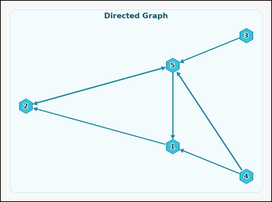 |  | task_graph_relation_reachable_count | reachable_count | Use the image containing a labeled directed graph. Task: How many nodes, including node 5 itself, are reachable from 5 by following the direction of the arrows? Return a valid JSON object with keys "evidence" and "answer" in that order. Evidence: set "evidence" to an array containing the labels of all nodes reachable from 5, including 5 itself. Answer: set "answer" to the count of those nodes as an integer. Example JSON: {"evidence":["2","5","8"],"answer":3} | Use the image containing a labeled directed graph. Task: How many nodes, including node 5 itself, are reachable from 5 by following the direction of the arrows? Return a valid JSON object with key "answer". Answer format: set "answer" to the count of those nodes as an integer. Example JSON: {"answer":3} | {"evidence": ["1", "2", "5"], "answer": 3} | ["1", "2", "5"] | integer | label_set | 915062066322605 | graph/task_graph_relation_reachable_count/images/default/0017.png | graph/task_graph_relation_reachable_count/data/default/0017.json
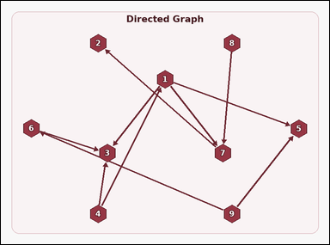 |  | task_graph_relation_reachable_count | reachable_count | Look at the image with a labeled directed graph. Answer this question: How many nodes, including node 1 itself, are reachable from 1 by following the direction of the arrows? Return a valid JSON object with keys "evidence" and "answer" in that order. Evidence format: set "evidence" to an array containing the labels of all nodes reachable from 1, including 1 itself. Answer requirement: set "answer" to the count of those nodes as an integer. Example JSON: {"evidence":["2","5","8"],"answer":3} | Look at the image with a labeled directed graph. Answer this question: How many nodes, including node 1 itself, are reachable from 1 by following the direction of the arrows? Return a valid JSON object with key "answer". Answer field: set "answer" to the count of those nodes as an integer. Example JSON: {"answer":3} | {"evidence": ["1", "2", "3", "5", "7"], "answer": 5} | ["1", "2", "3", "5", "7"] | integer | label_set | 1.0510039082E+15 | graph/task_graph_relation_reachable_count/images/default/0003.png | graph/task_graph_relation_reachable_count/data/default/0003.json
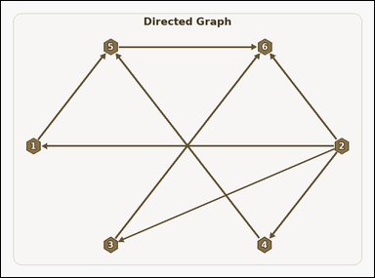 |  | task_graph_relation_reachable_count | reachable_count | You are given an image with a labeled directed graph. Question: How many nodes, including node 1 itself, are reachable from 1 by following the direction of the arrows? Return a valid JSON object with keys "evidence" and "answer" in that order. Evidence: set "evidence" to an array containing the labels of all nodes reachable from 1, including 1 itself. Answer: set "answer" to the count of those nodes as an integer. Example JSON: {"evidence":["2","5","8"],"answer":3} | You are given an image with a labeled directed graph. Question: How many nodes, including node 1 itself, are reachable from 1 by following the direction of the arrows? Return a valid JSON object with key "answer". Answer field: set "answer" to the count of those nodes as an integer. Example JSON: {"answer":3} | {"evidence": ["1", "5", "6"], "answer": 3} | ["1", "5", "6"] | integer | label_set | 1.2932001548E+15 | graph/task_graph_relation_reachable_count/images/default/0002.png | graph/task_graph_relation_reachable_count/data/default/0002.json
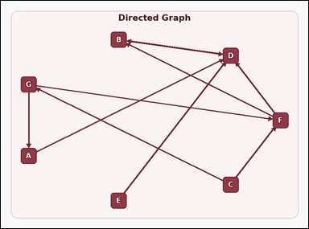 |  | task_graph_relation_reachable_count | reachable_count | Work from the image with a labeled directed graph. How many nodes, including node F itself, are reachable from F by following the direction of the arrows? Return a valid JSON object with keys "evidence" and "answer" in that order. Evidence format: set "evidence" to an array containing the labels of all nodes reachable from F, including F itself. Answer requirement: set "answer" to the count of those nodes as an integer. Example JSON: {"evidence":["B","D","H"],"answer":3} | Work from the image with a labeled directed graph. How many nodes, including node F itself, are reachable from F by following the direction of the arrows? Return a valid JSON object with key "answer". Answer format: set "answer" to the count of those nodes as an integer. Example JSON: {"answer":3} | {"evidence": ["B", "D", "F"], "answer": 3} | ["B", "D", "F"] | integer | label_set | 1.3090361299E+15 | graph/task_graph_relation_reachable_count/images/default/0013.png | graph/task_graph_relation_reachable_count/data/default/0013.json
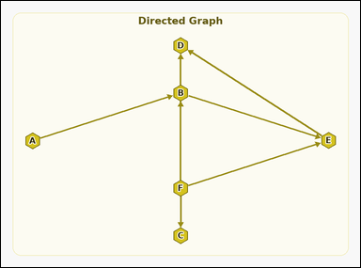 |  | task_graph_relation_reachable_count | reachable_count | You are given an image with a labeled directed graph. How many nodes, including node A itself, are reachable from A by following the direction of the arrows? Return a valid JSON object with keys "evidence" and "answer" in that order. Evidence rule: set "evidence" to an array containing the labels of all nodes reachable from A, including A itself. Answer rule: set "answer" to the count of those nodes as an integer. Example JSON: {"evidence":["B","D","H"],"answer":3} | You are given an image with a labeled directed graph. How many nodes, including node A itself, are reachable from A by following the direction of the arrows? Return a valid JSON object with key "answer". Answer requirement: set "answer" to the count of those nodes as an integer. Example JSON: {"answer":3} | {"evidence": ["A", "B", "D", "E"], "answer": 4} | ["A", "B", "D", "E"] | integer | label_set | 1.7442115892E+15 | graph/task_graph_relation_reachable_count/images/default/0006.png | graph/task_graph_relation_reachable_count/data/default/0006.json
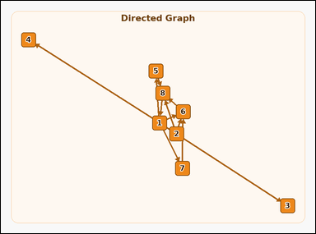 |  | task_graph_relation_reachable_count | reachable_count | Look at the image with a labeled directed graph. Answer this question: How many nodes, including node 8 itself, are reachable from 8 by following the direction of the arrows? Return a valid JSON object with keys "evidence" and "answer" in that order. Evidence rule: set "evidence" to an array containing the labels of all nodes reachable from 8, including 8 itself. Answer rule: set "answer" to the count of those nodes as an integer. Example JSON: {"evidence":["2","5","8"],"answer":3} | Look at the image with a labeled directed graph. Answer this question: How many nodes, including node 8 itself, are reachable from 8 by following the direction of the arrows? Return a valid JSON object with key "answer". Answer rule: set "answer" to the count of those nodes as an integer. Example JSON: {"answer":3} | {"evidence": ["1", "3", "4", "5", "6", "7", "8"], "answer": 7} | ["1", "3", "4", "5", "6", "7", "8"] | integer | label_set | 1.8340467518E+15 | graph/task_graph_relation_reachable_count/images/default/0023.png | graph/task_graph_relation_reachable_count/data/default/0023.json
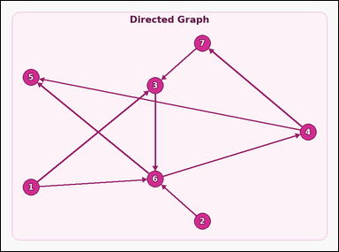 |  | task_graph_relation_reachable_count | reachable_count | Look at the image with a labeled directed graph. Question: How many nodes, including node 3 itself, are reachable from 3 by following the direction of the arrows? Return a valid JSON object with keys "evidence" and "answer" in that order. Evidence format: set "evidence" to an array containing the labels of all nodes reachable from 3, including 3 itself. Answer requirement: set "answer" to the count of those nodes as an integer. Example JSON: {"evidence":["2","5","8"],"answer":3} | Look at the image with a labeled directed graph. Question: How many nodes, including node 3 itself, are reachable from 3 by following the direction of the arrows? Return a valid JSON object with key "answer". Answer field: set "answer" to the count of those nodes as an integer. Example JSON: {"answer":3} | {"evidence": ["3", "4", "5", "6", "7"], "answer": 5} | ["3", "4", "5", "6", "7"] | integer | label_set | 2.3450098589E+15 | graph/task_graph_relation_reachable_count/images/default/0016.png | graph/task_graph_relation_reachable_count/data/default/0016.json
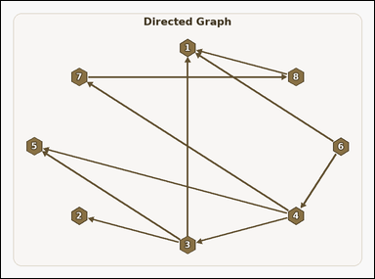 |  | task_graph_relation_reachable_count | reachable_count | Use the image containing a labeled directed graph. How many nodes, including node 1 itself, are reachable from 1 by following the direction of the arrows? Return a valid JSON object with keys "evidence" and "answer" in that order. Evidence: set "evidence" to an array containing the labels of all nodes reachable from 1, including 1 itself. Answer: set "answer" to the count of those nodes as an integer. Example JSON: {"evidence":["2","5","8"],"answer":3} | Use the image containing a labeled directed graph. How many nodes, including node 1 itself, are reachable from 1 by following the direction of the arrows? Return a valid JSON object with key "answer". Answer format: set "answer" to the count of those nodes as an integer. Example JSON: {"answer":3} | {"evidence": ["1"], "answer": 1} | ["1"] | integer | label_set | 2.6652709458E+15 | graph/task_graph_relation_reachable_count/images/default/0010.png | graph/task_graph_relation_reachable_count/data/default/0010.json
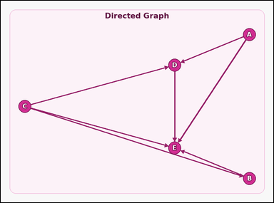 |  | task_graph_relation_reachable_count | reachable_count | Work from the image with a labeled directed graph. Task: How many nodes, including node E itself, are reachable from E by following the direction of the arrows? Return a valid JSON object with keys "evidence" and "answer" in that order. Evidence format: set "evidence" to an array containing the labels of all nodes reachable from E, including E itself. Answer requirement: set "answer" to the count of those nodes as an integer. Example JSON: {"evidence":["B","D","H"],"answer":3} | Work from the image with a labeled directed graph. Task: How many nodes, including node E itself, are reachable from E by following the direction of the arrows? Return a valid JSON object with key "answer". Answer: set "answer" to the count of those nodes as an integer. Example JSON: {"answer":3} | {"evidence": ["E"], "answer": 1} | ["E"] | integer | label_set | 2.913673641E+15 | graph/task_graph_relation_reachable_count/images/default/0012.png | graph/task_graph_relation_reachable_count/data/default/0012.json
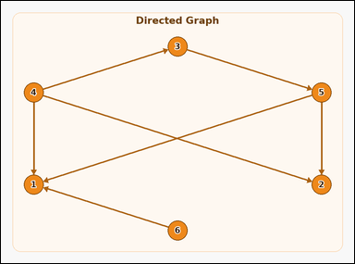 |  | task_graph_relation_reachable_count | reachable_count | You are given an image with a labeled directed graph. Determine the answer: How many nodes, including node 6 itself, are reachable from 6 by following the direction of the arrows? Return a valid JSON object with keys "evidence" and "answer" in that order. Evidence requirement: set "evidence" to an array containing the labels of all nodes reachable from 6, including 6 itself. Answer format: set "answer" to the count of those nodes as an integer. Example JSON: {"evidence":["2","5","8"],"answer":3} | You are given an image with a labeled directed graph. Determine the answer: How many nodes, including node 6 itself, are reachable from 6 by following the direction of the arrows? Return a valid JSON object with key "answer". Answer rule: set "answer" to the count of those nodes as an integer. Example JSON: {"answer":3} | {"evidence": ["1", "6"], "answer": 2} | ["1", "6"] | integer | label_set | 2.9294056168E+15 | graph/task_graph_relation_reachable_count/images/default/0004.png | graph/task_graph_relation_reachable_count/data/default/0004.json
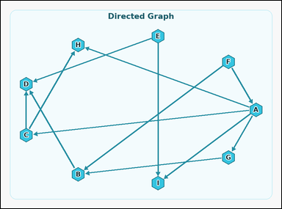 |  | task_graph_relation_reachable_count | reachable_count | Use the image containing a labeled directed graph. Answer this question: How many nodes, including node A itself, are reachable from A by following the direction of the arrows? Return a valid JSON object with keys "evidence" and "answer" in that order. Evidence format: set "evidence" to an array containing the labels of all nodes reachable from A, including A itself. Answer requirement: set "answer" to the count of those nodes as an integer. Example JSON: {"evidence":["B","D","H"],"answer":3} | Use the image containing a labeled directed graph. Answer this question: How many nodes, including node A itself, are reachable from A by following the direction of the arrows? Return a valid JSON object with key "answer". Answer requirement: set "answer" to the count of those nodes as an integer. Example JSON: {"answer":3} | {"evidence": ["A", "B", "C", "D", "G", "H", "I"], "answer": 7} | ["A", "B", "C", "D", "G", "H", "I"] | integer | label_set | 4.6548579989E+15 | graph/task_graph_relation_reachable_count/images/default/0000.png | graph/task_graph_relation_reachable_count/data/default/0000.json
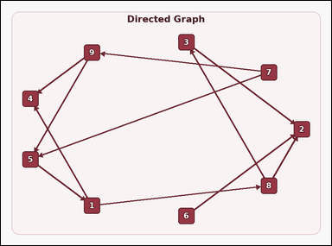 |  | task_graph_relation_reachable_count | reachable_count | The image shows a labeled directed graph. Determine the answer: How many nodes, including node 2 itself, are reachable from 2 by following the direction of the arrows? Return a valid JSON object with keys "evidence" and "answer" in that order. Evidence field: set "evidence" to an array containing the labels of all nodes reachable from 2, including 2 itself. Answer field: set "answer" to the count of those nodes as an integer. Example JSON: {"evidence":["2","5","8"],"answer":3} | The image shows a labeled directed graph. Determine the answer: How many nodes, including node 2 itself, are reachable from 2 by following the direction of the arrows? Return a valid JSON object with key "answer". Answer: set "answer" to the count of those nodes as an integer. Example JSON: {"answer":3} | {"evidence": ["2"], "answer": 1} | ["2"] | integer | label_set | 5.00120334E+15 | graph/task_graph_relation_reachable_count/images/default/0005.png | graph/task_graph_relation_reachable_count/data/default/0005.json
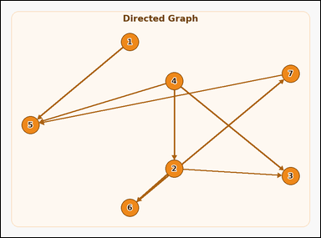 |  | task_graph_relation_reachable_count | reachable_count | Look at the image with a labeled directed graph. Question: How many nodes, including node 4 itself, are reachable from 4 by following the direction of the arrows? Return a valid JSON object with keys "evidence" and "answer" in that order. Evidence field: set "evidence" to an array containing the labels of all nodes reachable from 4, including 4 itself. Answer field: set "answer" to the count of those nodes as an integer. Example JSON: {"evidence":["2","5","8"],"answer":3} | Look at the image with a labeled directed graph. Question: How many nodes, including node 4 itself, are reachable from 4 by following the direction of the arrows? Return a valid JSON object with key "answer". Answer requirement: set "answer" to the count of those nodes as an integer. Example JSON: {"answer":3} | {"evidence": ["2", "3", "4", "5", "6", "7"], "answer": 6} | ["2", "3", "4", "5", "6", "7"] | integer | label_set | 5.1470936561E+15 | graph/task_graph_relation_reachable_count/images/default/0018.png | graph/task_graph_relation_reachable_count/data/default/0018.json
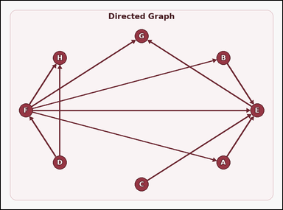 |  | task_graph_relation_reachable_count | reachable_count | Use the image containing a labeled directed graph. How many nodes, including node F itself, are reachable from F by following the direction of the arrows? Return a valid JSON object with keys "evidence" and "answer" in that order. Evidence format: set "evidence" to an array containing the labels of all nodes reachable from F, including F itself. Answer requirement: set "answer" to the count of those nodes as an integer. Example JSON: {"evidence":["B","D","H"],"answer":3} | Use the image containing a labeled directed graph. How many nodes, including node F itself, are reachable from F by following the direction of the arrows? Return a valid JSON object with key "answer". Answer: set "answer" to the count of those nodes as an integer. Example JSON: {"answer":3} | {"evidence": ["A", "B", "E", "F", "G", "H"], "answer": 6} | ["A", "B", "E", "F", "G", "H"] | integer | label_set | 5.3573079401E+15 | graph/task_graph_relation_reachable_count/images/default/0024.png | graph/task_graph_relation_reachable_count/data/default/0024.json
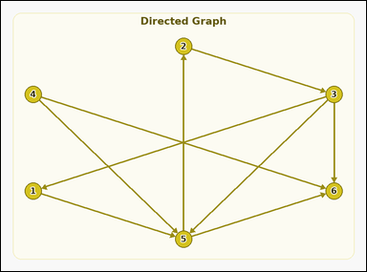 |  | task_graph_relation_reachable_count | reachable_count | Look at the image with a labeled directed graph. Question: How many nodes, including node 2 itself, are reachable from 2 by following the direction of the arrows? Return a valid JSON object with keys "evidence" and "answer" in that order. Evidence: set "evidence" to an array containing the labels of all nodes reachable from 2, including 2 itself. Answer: set "answer" to the count of those nodes as an integer. Example JSON: {"evidence":["2","5","8"],"answer":3} | Look at the image with a labeled directed graph. Question: How many nodes, including node 2 itself, are reachable from 2 by following the direction of the arrows? Return a valid JSON object with key "answer". Answer rule: set "answer" to the count of those nodes as an integer. Example JSON: {"answer":3} | {"evidence": ["1", "2", "3", "5", "6"], "answer": 5} | ["1", "2", "3", "5", "6"] | integer | label_set | 5.6349745861E+15 | graph/task_graph_relation_reachable_count/images/default/0001.png | graph/task_graph_relation_reachable_count/data/default/0001.json
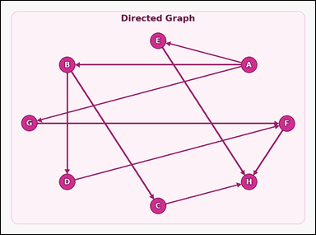 |  | task_graph_relation_reachable_count | reachable_count | You are given an image with a labeled directed graph. Determine the answer: How many nodes, including node F itself, are reachable from F by following the direction of the arrows? Return a valid JSON object with keys "evidence" and "answer" in that order. Evidence rule: set "evidence" to an array containing the labels of all nodes reachable from F, including F itself. Answer rule: set "answer" to the count of those nodes as an integer. Example JSON: {"evidence":["B","D","H"],"answer":3} | You are given an image with a labeled directed graph. Determine the answer: How many nodes, including node F itself, are reachable from F by following the direction of the arrows? Return a valid JSON object with key "answer". Answer format: set "answer" to the count of those nodes as an integer. Example JSON: {"answer":3} | {"evidence": ["F", "H"], "answer": 2} | ["F", "H"] | integer | label_set | 5.9559706783E+15 | graph/task_graph_relation_reachable_count/images/default/0019.png | graph/task_graph_relation_reachable_count/data/default/0019.json
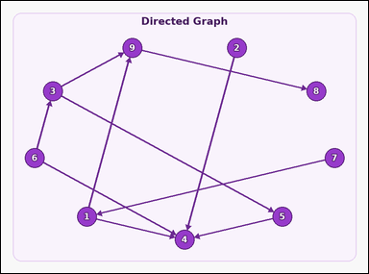 |  | task_graph_relation_reachable_count | reachable_count | Work from the image with a labeled directed graph. Determine the answer: How many nodes, including node 4 itself, are reachable from 4 by following the direction of the arrows? Return a valid JSON object with keys "evidence" and "answer" in that order. Evidence requirement: set "evidence" to an array containing the labels of all nodes reachable from 4, including 4 itself. Answer format: set "answer" to the count of those nodes as an integer. Example JSON: {"evidence":["2","5","8"],"answer":3} | Work from the image with a labeled directed graph. Determine the answer: How many nodes, including node 4 itself, are reachable from 4 by following the direction of the arrows? Return a valid JSON object with key "answer". Answer: set "answer" to the count of those nodes as an integer. Example JSON: {"answer":3} | {"evidence": ["4"], "answer": 1} | ["4"] | integer | label_set | 6.1007461226E+15 | graph/task_graph_relation_reachable_count/images/default/0008.png | graph/task_graph_relation_reachable_count/data/default/0008.json
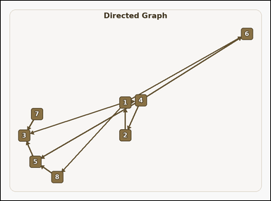 |  | task_graph_relation_reachable_count | reachable_count | You are given an image with a labeled directed graph. How many nodes, including node 1 itself, are reachable from 1 by following the direction of the arrows? Return a valid JSON object with keys "evidence" and "answer" in that order. Evidence field: set "evidence" to an array containing the labels of all nodes reachable from 1, including 1 itself. Answer field: set "answer" to the count of those nodes as an integer. Example JSON: {"evidence":["2","5","8"],"answer":3} | You are given an image with a labeled directed graph. How many nodes, including node 1 itself, are reachable from 1 by following the direction of the arrows? Return a valid JSON object with key "answer". Answer rule: set "answer" to the count of those nodes as an integer. Example JSON: {"answer":3} | {"evidence": ["1", "2", "3", "4", "5", "6", "8"], "answer": 7} | ["1", "2", "3", "4", "5", "6", "8"] | integer | label_set | 6.609414264E+15 | graph/task_graph_relation_reachable_count/images/default/0007.png | graph/task_graph_relation_reachable_count/data/default/0007.json
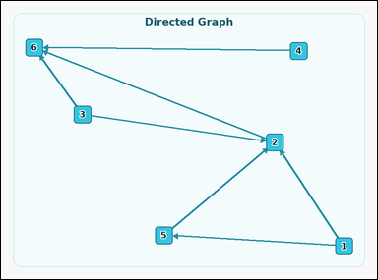 |  | task_graph_relation_reachable_count | reachable_count | Use the image containing a labeled directed graph. Task: How many nodes, including node 1 itself, are reachable from 1 by following the direction of the arrows? Return a valid JSON object with keys "evidence" and "answer" in that order. Evidence format: set "evidence" to an array containing the labels of all nodes reachable from 1, including 1 itself. Answer requirement: set "answer" to the count of those nodes as an integer. Example JSON: {"evidence":["2","5","8"],"answer":3} | Use the image containing a labeled directed graph. Task: How many nodes, including node 1 itself, are reachable from 1 by following the direction of the arrows? Return a valid JSON object with key "answer". Answer: set "answer" to the count of those nodes as an integer. Example JSON: {"answer":3} | {"evidence": ["1", "2", "5", "6"], "answer": 4} | ["1", "2", "5", "6"] | integer | label_set | 6.8921370496E+15 | graph/task_graph_relation_reachable_count/images/default/0011.png | graph/task_graph_relation_reachable_count/data/default/0011.json
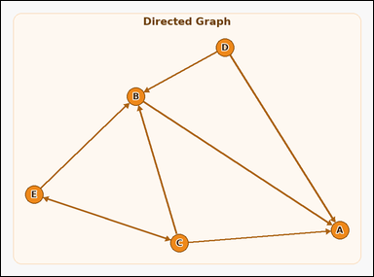 |  | task_graph_relation_reachable_count | reachable_count | Work from the image with a labeled directed graph. Answer this question: How many nodes, including node D itself, are reachable from D by following the direction of the arrows? Return a valid JSON object with keys "evidence" and "answer" in that order. Evidence rule: set "evidence" to an array containing the labels of all nodes reachable from D, including D itself. Answer rule: set "answer" to the count of those nodes as an integer. Example JSON: {"evidence":["B","D","H"],"answer":3} | Work from the image with a labeled directed graph. Answer this question: How many nodes, including node D itself, are reachable from D by following the direction of the arrows? Return a valid JSON object with key "answer". Answer format: set "answer" to the count of those nodes as an integer. Example JSON: {"answer":3} | {"evidence": ["A", "B", "D"], "answer": 3} | ["A", "B", "D"] | integer | label_set | 7.4558507597E+15 | graph/task_graph_relation_reachable_count/images/default/0021.png | graph/task_graph_relation_reachable_count/data/default/0021.json
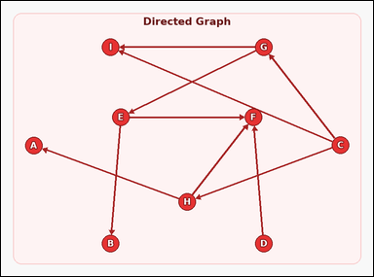 |  | task_graph_relation_reachable_count | reachable_count | Use the image containing a labeled directed graph. How many nodes, including node H itself, are reachable from H by following the direction of the arrows? Return a valid JSON object with keys "evidence" and "answer" in that order. Evidence format: set "evidence" to an array containing the labels of all nodes reachable from H, including H itself. Answer requirement: set "answer" to the count of those nodes as an integer. Example JSON: {"evidence":["B","D","H"],"answer":3} | Use the image containing a labeled directed graph. How many nodes, including node H itself, are reachable from H by following the direction of the arrows? Return a valid JSON object with key "answer". Answer rule: set "answer" to the count of those nodes as an integer. Example JSON: {"answer":3} | {"evidence": ["A", "F", "H"], "answer": 3} | ["A", "F", "H"] | integer | label_set | 7.5945850661E+15 | graph/task_graph_relation_reachable_count/images/default/0022.png | graph/task_graph_relation_reachable_count/data/default/0022.json
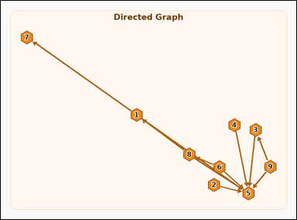 |  | task_graph_relation_reachable_count | reachable_count | The image shows a labeled directed graph. Determine the answer: How many nodes, including node 5 itself, are reachable from 5 by following the direction of the arrows? Return a valid JSON object with keys "evidence" and "answer" in that order. Evidence requirement: set "evidence" to an array containing the labels of all nodes reachable from 5, including 5 itself. Answer format: set "answer" to the count of those nodes as an integer. Example JSON: {"evidence":["2","5","8"],"answer":3} | The image shows a labeled directed graph. Determine the answer: How many nodes, including node 5 itself, are reachable from 5 by following the direction of the arrows? Return a valid JSON object with key "answer". Answer requirement: set "answer" to the count of those nodes as an integer. Example JSON: {"answer":3} | {"evidence": ["5"], "answer": 1} | ["5"] | integer | label_set | 7.6812399404E+15 | graph/task_graph_relation_reachable_count/images/default/0020.png | graph/task_graph_relation_reachable_count/data/default/0020.json
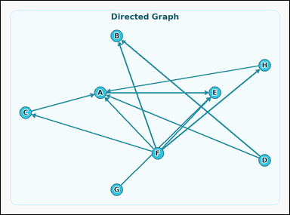 |  | task_graph_relation_reachable_count | reachable_count | Look at the image with a labeled directed graph. How many nodes, including node F itself, are reachable from F by following the direction of the arrows? Return a valid JSON object with keys "evidence" and "answer" in that order. Evidence format: set "evidence" to an array containing the labels of all nodes reachable from F, including F itself. Answer requirement: set "answer" to the count of those nodes as an integer. Example JSON: {"evidence":["B","D","H"],"answer":3} | Look at the image with a labeled directed graph. How many nodes, including node F itself, are reachable from F by following the direction of the arrows? Return a valid JSON object with key "answer". Answer rule: set "answer" to the count of those nodes as an integer. Example JSON: {"answer":3} | {"evidence": ["A", "B", "C", "E", "F", "H"], "answer": 6} | ["A", "B", "C", "E", "F", "H"] | integer | label_set | 8.8872399913E+15 | graph/task_graph_relation_reachable_count/images/default/0014.png | graph/task_graph_relation_reachable_count/data/default/0014.json
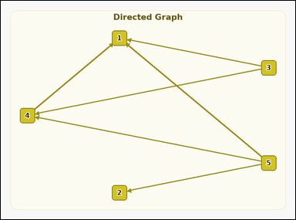 |  | task_graph_relation_reachable_count | reachable_count | Look at the image with a labeled directed graph. Determine the answer: How many nodes, including node 4 itself, are reachable from 4 by following the direction of the arrows? Return a valid JSON object with keys "evidence" and "answer" in that order. Evidence rule: set "evidence" to an array containing the labels of all nodes reachable from 4, including 4 itself. Answer rule: set "answer" to the count of those nodes as an integer. Example JSON: {"evidence":["2","5","8"],"answer":3} | Look at the image with a labeled directed graph. Determine the answer: How many nodes, including node 4 itself, are reachable from 4 by following the direction of the arrows? Return a valid JSON object with key "answer". Answer format: set "answer" to the count of those nodes as an integer. Example JSON: {"answer":3} | {"evidence": ["1", "4"], "answer": 2} | ["1", "4"] | integer | label_set | 8.9889772904E+15 | graph/task_graph_relation_reachable_count/images/default/0009.png | graph/task_graph_relation_reachable_count/data/default/0009.json
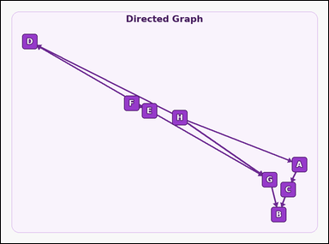 |  | task_graph_relation_reachable_count | reachable_count | Look at the image with a labeled directed graph. Question: How many nodes, including node E itself, are reachable from E by following the direction of the arrows? Return a valid JSON object with keys "evidence" and "answer" in that order. Evidence requirement: set "evidence" to an array containing the labels of all nodes reachable from E, including E itself. Answer format: set "answer" to the count of those nodes as an integer. Example JSON: {"evidence":["B","D","H"],"answer":3} | Look at the image with a labeled directed graph. Question: How many nodes, including node E itself, are reachable from E by following the direction of the arrows? Return a valid JSON object with key "answer". Answer rule: set "answer" to the count of those nodes as an integer. Example JSON: {"answer":3} | {"evidence": ["B", "D", "E", "G"], "answer": 4} | ["B", "D", "E", "G"] | integer | label_set | 9.0002119806E+15 | graph/task_graph_relation_reachable_count/images/default/0015.png | graph/task_graph_relation_reachable_count/data/default/0015.json

