same_component_count
image | evidence_image | task | task_variant | prompt | prompt_answer_only | answer | answer_evidence | answer_type | evidence_type | instance_seed | image_path | data_path
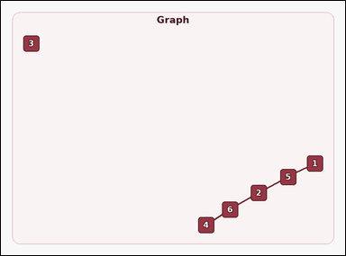 |  | task_graph_relation_same_component_count | same_component_count | You are given an image with a labeled undirected graph. Question: How many nodes, including node 5 itself, are in the same connected component as 5? Return a valid JSON object with keys "evidence" and "answer" in that order. Evidence format: set "evidence" to an array containing the labels of all nodes in the connected component containing the asked node, including the asked node itself. Answer requirement: set "answer" to the count of those nodes as an integer. Example JSON: {"evidence":["2","7","9"],"answer":3} | You are given an image with a labeled undirected graph. Question: How many nodes, including node 5 itself, are in the same connected component as 5? Return a valid JSON object with key "answer". Answer: set "answer" to the count of those nodes as an integer. Example JSON: {"answer":3} | {"evidence": ["1", "2", "4", "5", "6"], "answer": 5} | ["1", "2", "4", "5", "6"] | integer | label_set | 137061921755153 | graph/task_graph_relation_same_component_count/images/default/0001.png | graph/task_graph_relation_same_component_count/data/default/0001.json
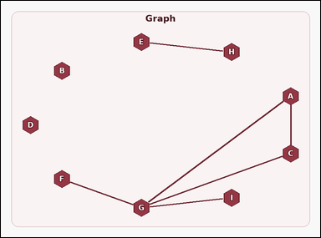 |  | task_graph_relation_same_component_count | same_component_count | Use the image containing a labeled undirected graph. Answer this question: How many nodes, including node I itself, are in the same connected component as I? Return a valid JSON object with keys "evidence" and "answer" in that order. Evidence field: set "evidence" to an array containing the labels of all nodes in the connected component containing the asked node, including the asked node itself. Answer field: set "answer" to the count of those nodes as an integer. Example JSON: {"evidence":["B","F","H"],"answer":3} | Use the image containing a labeled undirected graph. Answer this question: How many nodes, including node I itself, are in the same connected component as I? Return a valid JSON object with key "answer". Answer field: set "answer" to the count of those nodes as an integer. Example JSON: {"answer":3} | {"evidence": ["A", "C", "F", "G", "I"], "answer": 5} | ["A", "C", "F", "G", "I"] | integer | label_set | 873173898871479 | graph/task_graph_relation_same_component_count/images/default/0022.png | graph/task_graph_relation_same_component_count/data/default/0022.json
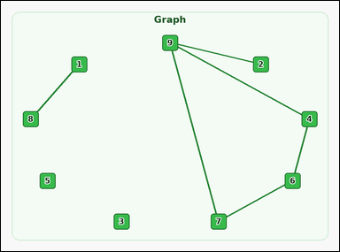 |  | task_graph_relation_same_component_count | same_component_count | Look at the image with a labeled undirected graph. Determine the answer: How many nodes, including node 9 itself, are in the same connected component as 9? Return a valid JSON object with keys "evidence" and "answer" in that order. Evidence format: set "evidence" to an array containing the labels of all nodes in the connected component containing the asked node, including the asked node itself. Answer requirement: set "answer" to the count of those nodes as an integer. Example JSON: {"evidence":["2","7","9"],"answer":3} | Look at the image with a labeled undirected graph. Determine the answer: How many nodes, including node 9 itself, are in the same connected component as 9? Return a valid JSON object with key "answer". Answer field: set "answer" to the count of those nodes as an integer. Example JSON: {"answer":3} | {"evidence": ["2", "4", "6", "7", "9"], "answer": 5} | ["2", "4", "6", "7", "9"] | integer | label_set | 887469622757885 | graph/task_graph_relation_same_component_count/images/default/0020.png | graph/task_graph_relation_same_component_count/data/default/0020.json
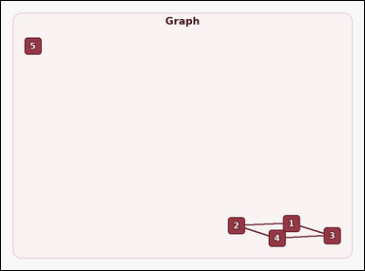 |  | task_graph_relation_same_component_count | same_component_count | The image shows a labeled undirected graph. How many nodes, including node 5 itself, are in the same connected component as 5? Return a valid JSON object with keys "evidence" and "answer" in that order. Evidence rule: set "evidence" to an array containing the labels of all nodes in the connected component containing the asked node, including the asked node itself. Answer rule: set "answer" to the count of those nodes as an integer. Example JSON: {"evidence":["2","7","9"],"answer":3} | The image shows a labeled undirected graph. How many nodes, including node 5 itself, are in the same connected component as 5? Return a valid JSON object with key "answer". Answer: set "answer" to the count of those nodes as an integer. Example JSON: {"answer":3} | {"evidence": ["5"], "answer": 1} | ["5"] | integer | label_set | 1.0539551296E+15 | graph/task_graph_relation_same_component_count/images/default/0023.png | graph/task_graph_relation_same_component_count/data/default/0023.json
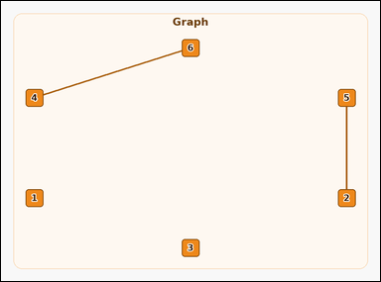 |  | task_graph_relation_same_component_count | same_component_count | Work from the image with a labeled undirected graph. Determine the answer: How many nodes, including node 6 itself, are in the same connected component as 6? Return a valid JSON object with keys "evidence" and "answer" in that order. Evidence: set "evidence" to an array containing the labels of all nodes in the connected component containing the asked node, including the asked node itself. Answer: set "answer" to the count of those nodes as an integer. Example JSON: {"evidence":["2","7","9"],"answer":3} | Work from the image with a labeled undirected graph. Determine the answer: How many nodes, including node 6 itself, are in the same connected component as 6? Return a valid JSON object with key "answer". Answer: set "answer" to the count of those nodes as an integer. Example JSON: {"answer":3} | {"evidence": ["4", "6"], "answer": 2} | ["4", "6"] | integer | label_set | 1.0705355292E+15 | graph/task_graph_relation_same_component_count/images/default/0011.png | graph/task_graph_relation_same_component_count/data/default/0011.json
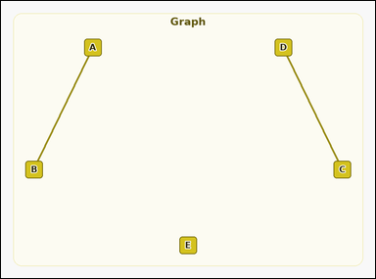 |  | task_graph_relation_same_component_count | same_component_count | Look at the image with a labeled undirected graph. Answer this question: How many nodes, including node E itself, are in the same connected component as E? Return a valid JSON object with keys "evidence" and "answer" in that order. Evidence format: set "evidence" to an array containing the labels of all nodes in the connected component containing the asked node, including the asked node itself. Answer requirement: set "answer" to the count of those nodes as an integer. Example JSON: {"evidence":["B","F","H"],"answer":3} | Look at the image with a labeled undirected graph. Answer this question: How many nodes, including node E itself, are in the same connected component as E? Return a valid JSON object with key "answer". Answer: set "answer" to the count of those nodes as an integer. Example JSON: {"answer":3} | {"evidence": ["E"], "answer": 1} | ["E"] | integer | label_set | 1.1562640226E+15 | graph/task_graph_relation_same_component_count/images/default/0018.png | graph/task_graph_relation_same_component_count/data/default/0018.json
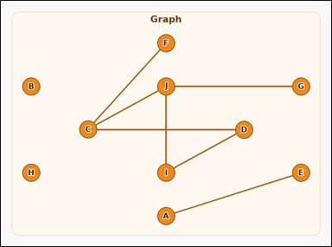 |  | task_graph_relation_same_component_count | same_component_count | Work from the image with a labeled undirected graph. Determine the answer: How many nodes, including node G itself, are in the same connected component as G? Return a valid JSON object with keys "evidence" and "answer" in that order. Evidence: set "evidence" to an array containing the labels of all nodes in the connected component containing the asked node, including the asked node itself. Answer: set "answer" to the count of those nodes as an integer. Example JSON: {"evidence":["B","F","H"],"answer":3} | Work from the image with a labeled undirected graph. Determine the answer: How many nodes, including node G itself, are in the same connected component as G? Return a valid JSON object with key "answer". Answer: set "answer" to the count of those nodes as an integer. Example JSON: {"answer":3} | {"evidence": ["C", "D", "F", "G", "I", "J"], "answer": 6} | ["C", "D", "F", "G", "I", "J"] | integer | label_set | 1.8682889646E+15 | graph/task_graph_relation_same_component_count/images/default/0007.png | graph/task_graph_relation_same_component_count/data/default/0007.json
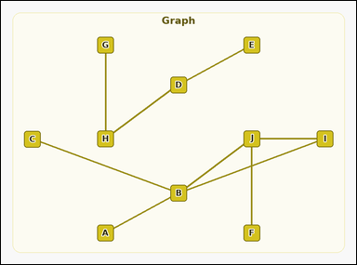 |  | task_graph_relation_same_component_count | same_component_count | You are given an image with a labeled undirected graph. Determine the answer: How many nodes, including node J itself, are in the same connected component as J? Return a valid JSON object with keys "evidence" and "answer" in that order. Evidence requirement: set "evidence" to an array containing the labels of all nodes in the connected component containing the asked node, including the asked node itself. Answer format: set "answer" to the count of those nodes as an integer. Example JSON: {"evidence":["B","F","H"],"answer":3} | You are given an image with a labeled undirected graph. Determine the answer: How many nodes, including node J itself, are in the same connected component as J? Return a valid JSON object with key "answer". Answer rule: set "answer" to the count of those nodes as an integer. Example JSON: {"answer":3} | {"evidence": ["A", "B", "C", "F", "I", "J"], "answer": 6} | ["A", "B", "C", "F", "I", "J"] | integer | label_set | 2.0488911466E+15 | graph/task_graph_relation_same_component_count/images/default/0019.png | graph/task_graph_relation_same_component_count/data/default/0019.json
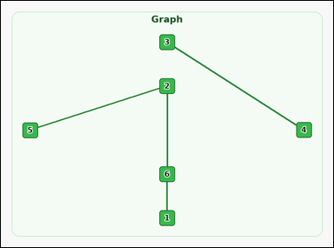 |  | task_graph_relation_same_component_count | same_component_count | The image shows a labeled undirected graph. Question: How many nodes, including node 4 itself, are in the same connected component as 4? Return a valid JSON object with keys "evidence" and "answer" in that order. Evidence field: set "evidence" to an array containing the labels of all nodes in the connected component containing the asked node, including the asked node itself. Answer field: set "answer" to the count of those nodes as an integer. Example JSON: {"evidence":["2","7","9"],"answer":3} | The image shows a labeled undirected graph. Question: How many nodes, including node 4 itself, are in the same connected component as 4? Return a valid JSON object with key "answer". Answer format: set "answer" to the count of those nodes as an integer. Example JSON: {"answer":3} | {"evidence": ["3", "4"], "answer": 2} | ["3", "4"] | integer | label_set | 2.7254424825E+15 | graph/task_graph_relation_same_component_count/images/default/0010.png | graph/task_graph_relation_same_component_count/data/default/0010.json
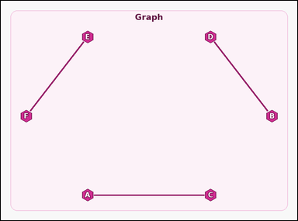 |  | task_graph_relation_same_component_count | same_component_count | Use the image containing a labeled undirected graph. Determine the answer: How many nodes, including node C itself, are in the same connected component as C? Return a valid JSON object with keys "evidence" and "answer" in that order. Evidence requirement: set "evidence" to an array containing the labels of all nodes in the connected component containing the asked node, including the asked node itself. Answer format: set "answer" to the count of those nodes as an integer. Example JSON: {"evidence":["B","F","H"],"answer":3} | Use the image containing a labeled undirected graph. Determine the answer: How many nodes, including node C itself, are in the same connected component as C? Return a valid JSON object with key "answer". Answer: set "answer" to the count of those nodes as an integer. Example JSON: {"answer":3} | {"evidence": ["A", "C"], "answer": 2} | ["A", "C"] | integer | label_set | 4.071207259E+15 | graph/task_graph_relation_same_component_count/images/default/0016.png | graph/task_graph_relation_same_component_count/data/default/0016.json
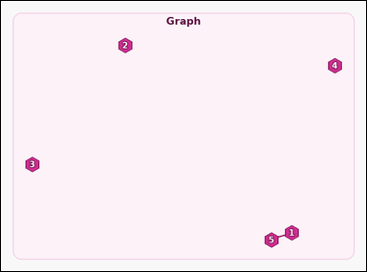 |  | task_graph_relation_same_component_count | same_component_count | The image shows a labeled undirected graph. Answer this question: How many nodes, including node 4 itself, are in the same connected component as 4? Return a valid JSON object with keys "evidence" and "answer" in that order. Evidence rule: set "evidence" to an array containing the labels of all nodes in the connected component containing the asked node, including the asked node itself. Answer rule: set "answer" to the count of those nodes as an integer. Example JSON: {"evidence":["2","7","9"],"answer":3} | The image shows a labeled undirected graph. Answer this question: How many nodes, including node 4 itself, are in the same connected component as 4? Return a valid JSON object with key "answer". Answer format: set "answer" to the count of those nodes as an integer. Example JSON: {"answer":3} | {"evidence": ["4"], "answer": 1} | ["4"] | integer | label_set | 4.3531336056E+15 | graph/task_graph_relation_same_component_count/images/default/0005.png | graph/task_graph_relation_same_component_count/data/default/0005.json
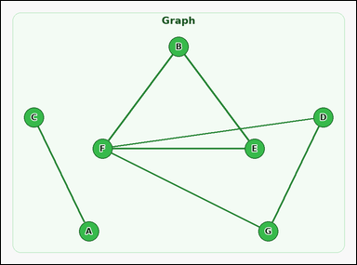 |  | task_graph_relation_same_component_count | same_component_count | Look at the image with a labeled undirected graph. Answer this question: How many nodes, including node B itself, are in the same connected component as B? Return a valid JSON object with keys "evidence" and "answer" in that order. Evidence field: set "evidence" to an array containing the labels of all nodes in the connected component containing the asked node, including the asked node itself. Answer field: set "answer" to the count of those nodes as an integer. Example JSON: {"evidence":["B","F","H"],"answer":3} | Look at the image with a labeled undirected graph. Answer this question: How many nodes, including node B itself, are in the same connected component as B? Return a valid JSON object with key "answer". Answer: set "answer" to the count of those nodes as an integer. Example JSON: {"answer":3} | {"evidence": ["B", "D", "E", "F", "G"], "answer": 5} | ["B", "D", "E", "F", "G"] | integer | label_set | 4.9013976322E+15 | graph/task_graph_relation_same_component_count/images/default/0024.png | graph/task_graph_relation_same_component_count/data/default/0024.json
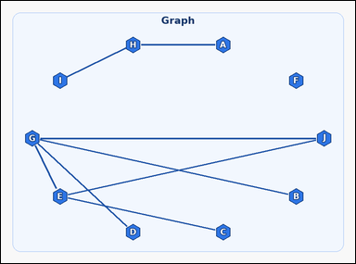 |  | task_graph_relation_same_component_count | same_component_count | Work from the image with a labeled undirected graph. How many nodes, including node J itself, are in the same connected component as J? Return a valid JSON object with keys "evidence" and "answer" in that order. Evidence: set "evidence" to an array containing the labels of all nodes in the connected component containing the asked node, including the asked node itself. Answer: set "answer" to the count of those nodes as an integer. Example JSON: {"evidence":["B","F","H"],"answer":3} | Work from the image with a labeled undirected graph. How many nodes, including node J itself, are in the same connected component as J? Return a valid JSON object with key "answer". Answer rule: set "answer" to the count of those nodes as an integer. Example JSON: {"answer":3} | {"evidence": ["B", "C", "D", "E", "G", "J"], "answer": 6} | ["B", "C", "D", "E", "G", "J"] | integer | label_set | 5.1834825227E+15 | graph/task_graph_relation_same_component_count/images/default/0014.png | graph/task_graph_relation_same_component_count/data/default/0014.json
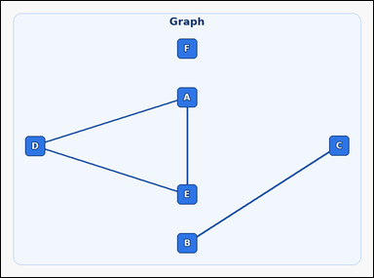 |  | task_graph_relation_same_component_count | same_component_count | Look at the image with a labeled undirected graph. How many nodes, including node B itself, are in the same connected component as B? Return a valid JSON object with keys "evidence" and "answer" in that order. Evidence rule: set "evidence" to an array containing the labels of all nodes in the connected component containing the asked node, including the asked node itself. Answer rule: set "answer" to the count of those nodes as an integer. Example JSON: {"evidence":["B","F","H"],"answer":3} | Look at the image with a labeled undirected graph. How many nodes, including node B itself, are in the same connected component as B? Return a valid JSON object with key "answer". Answer field: set "answer" to the count of those nodes as an integer. Example JSON: {"answer":3} | {"evidence": ["B", "C"], "answer": 2} | ["B", "C"] | integer | label_set | 5.4158033929E+15 | graph/task_graph_relation_same_component_count/images/default/0006.png | graph/task_graph_relation_same_component_count/data/default/0006.json
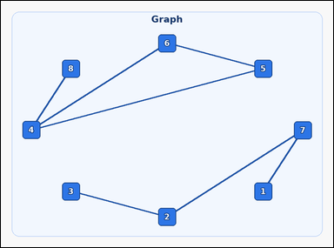 |  | task_graph_relation_same_component_count | same_component_count | You are given an image with a labeled undirected graph. Determine the answer: How many nodes, including node 6 itself, are in the same connected component as 6? Return a valid JSON object with keys "evidence" and "answer" in that order. Evidence rule: set "evidence" to an array containing the labels of all nodes in the connected component containing the asked node, including the asked node itself. Answer rule: set "answer" to the count of those nodes as an integer. Example JSON: {"evidence":["2","7","9"],"answer":3} | You are given an image with a labeled undirected graph. Determine the answer: How many nodes, including node 6 itself, are in the same connected component as 6? Return a valid JSON object with key "answer". Answer: set "answer" to the count of those nodes as an integer. Example JSON: {"answer":3} | {"evidence": ["4", "5", "6", "8"], "answer": 4} | ["4", "5", "6", "8"] | integer | label_set | 5.5227105991E+15 | graph/task_graph_relation_same_component_count/images/default/0017.png | graph/task_graph_relation_same_component_count/data/default/0017.json
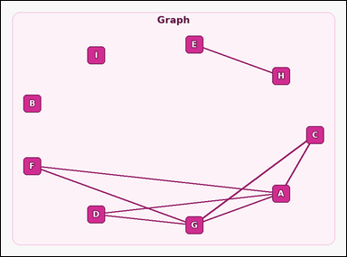 |  | task_graph_relation_same_component_count | same_component_count | The image shows a labeled undirected graph. Determine the answer: How many nodes, including node D itself, are in the same connected component as D? Return a valid JSON object with keys "evidence" and "answer" in that order. Evidence format: set "evidence" to an array containing the labels of all nodes in the connected component containing the asked node, including the asked node itself. Answer requirement: set "answer" to the count of those nodes as an integer. Example JSON: {"evidence":["B","F","H"],"answer":3} | The image shows a labeled undirected graph. Determine the answer: How many nodes, including node D itself, are in the same connected component as D? Return a valid JSON object with key "answer". Answer: set "answer" to the count of those nodes as an integer. Example JSON: {"answer":3} | {"evidence": ["A", "C", "D", "F", "G"], "answer": 5} | ["A", "C", "D", "F", "G"] | integer | label_set | 5.7520827811E+15 | graph/task_graph_relation_same_component_count/images/default/0012.png | graph/task_graph_relation_same_component_count/data/default/0012.json
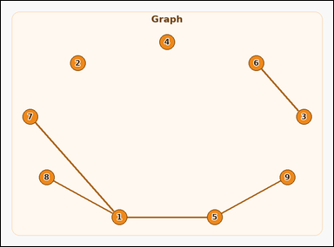 |  | task_graph_relation_same_component_count | same_component_count | Work from the image with a labeled undirected graph. How many nodes, including node 9 itself, are in the same connected component as 9? Return a valid JSON object with keys "evidence" and "answer" in that order. Evidence format: set "evidence" to an array containing the labels of all nodes in the connected component containing the asked node, including the asked node itself. Answer requirement: set "answer" to the count of those nodes as an integer. Example JSON: {"evidence":["2","7","9"],"answer":3} | Work from the image with a labeled undirected graph. How many nodes, including node 9 itself, are in the same connected component as 9? Return a valid JSON object with key "answer". Answer field: set "answer" to the count of those nodes as an integer. Example JSON: {"answer":3} | {"evidence": ["1", "5", "7", "8", "9"], "answer": 5} | ["1", "5", "7", "8", "9"] | integer | label_set | 6.2780615993E+15 | graph/task_graph_relation_same_component_count/images/default/0008.png | graph/task_graph_relation_same_component_count/data/default/0008.json
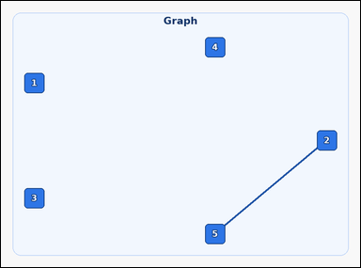 |  | task_graph_relation_same_component_count | same_component_count | Look at the image with a labeled undirected graph. How many nodes, including node 3 itself, are in the same connected component as 3? Return a valid JSON object with keys "evidence" and "answer" in that order. Evidence field: set "evidence" to an array containing the labels of all nodes in the connected component containing the asked node, including the asked node itself. Answer field: set "answer" to the count of those nodes as an integer. Example JSON: {"evidence":["2","7","9"],"answer":3} | Look at the image with a labeled undirected graph. How many nodes, including node 3 itself, are in the same connected component as 3? Return a valid JSON object with key "answer". Answer: set "answer" to the count of those nodes as an integer. Example JSON: {"answer":3} | {"evidence": ["3"], "answer": 1} | ["3"] | integer | label_set | 6.7515941171E+15 | graph/task_graph_relation_same_component_count/images/default/0013.png | graph/task_graph_relation_same_component_count/data/default/0013.json
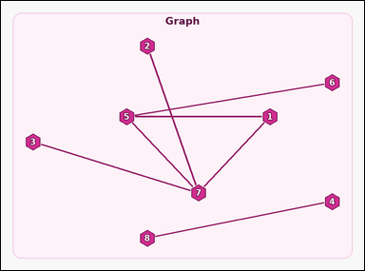 |  | task_graph_relation_same_component_count | same_component_count | Use the image containing a labeled undirected graph. How many nodes, including node 5 itself, are in the same connected component as 5? Return a valid JSON object with keys "evidence" and "answer" in that order. Evidence requirement: set "evidence" to an array containing the labels of all nodes in the connected component containing the asked node, including the asked node itself. Answer format: set "answer" to the count of those nodes as an integer. Example JSON: {"evidence":["2","7","9"],"answer":3} | Use the image containing a labeled undirected graph. How many nodes, including node 5 itself, are in the same connected component as 5? Return a valid JSON object with key "answer". Answer format: set "answer" to the count of those nodes as an integer. Example JSON: {"answer":3} | {"evidence": ["1", "2", "3", "5", "6", "7"], "answer": 6} | ["1", "2", "3", "5", "6", "7"] | integer | label_set | 6.9452227219E+15 | graph/task_graph_relation_same_component_count/images/default/0003.png | graph/task_graph_relation_same_component_count/data/default/0003.json
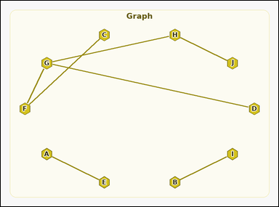 |  | task_graph_relation_same_component_count | same_component_count | You are given an image with a labeled undirected graph. How many nodes, including node D itself, are in the same connected component as D? Return a valid JSON object with keys "evidence" and "answer" in that order. Evidence requirement: set "evidence" to an array containing the labels of all nodes in the connected component containing the asked node, including the asked node itself. Answer format: set "answer" to the count of those nodes as an integer. Example JSON: {"evidence":["B","F","H"],"answer":3} | You are given an image with a labeled undirected graph. How many nodes, including node D itself, are in the same connected component as D? Return a valid JSON object with key "answer". Answer rule: set "answer" to the count of those nodes as an integer. Example JSON: {"answer":3} | {"evidence": ["C", "D", "F", "G", "H", "J"], "answer": 6} | ["C", "D", "F", "G", "H", "J"] | integer | label_set | 6.9672245282E+15 | graph/task_graph_relation_same_component_count/images/default/0015.png | graph/task_graph_relation_same_component_count/data/default/0015.json
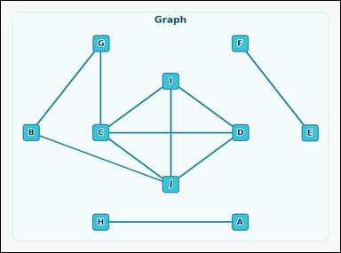 |  | task_graph_relation_same_component_count | same_component_count | The image shows a labeled undirected graph. Task: How many nodes, including node J itself, are in the same connected component as J? Return a valid JSON object with keys "evidence" and "answer" in that order. Evidence requirement: set "evidence" to an array containing the labels of all nodes in the connected component containing the asked node, including the asked node itself. Answer format: set "answer" to the count of those nodes as an integer. Example JSON: {"evidence":["B","F","H"],"answer":3} | The image shows a labeled undirected graph. Task: How many nodes, including node J itself, are in the same connected component as J? Return a valid JSON object with key "answer". Answer: set "answer" to the count of those nodes as an integer. Example JSON: {"answer":3} | {"evidence": ["B", "C", "D", "G", "I", "J"], "answer": 6} | ["B", "C", "D", "G", "I", "J"] | integer | label_set | 7.0909024278E+15 | graph/task_graph_relation_same_component_count/images/default/0004.png | graph/task_graph_relation_same_component_count/data/default/0004.json
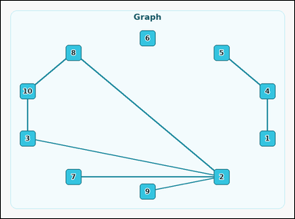 |  | task_graph_relation_same_component_count | same_component_count | Work from the image with a labeled undirected graph. Question: How many nodes, including node 7 itself, are in the same connected component as 7? Return a valid JSON object with keys "evidence" and "answer" in that order. Evidence: set "evidence" to an array containing the labels of all nodes in the connected component containing the asked node, including the asked node itself. Answer: set "answer" to the count of those nodes as an integer. Example JSON: {"evidence":["2","7","9"],"answer":3} | Work from the image with a labeled undirected graph. Question: How many nodes, including node 7 itself, are in the same connected component as 7? Return a valid JSON object with key "answer". Answer rule: set "answer" to the count of those nodes as an integer. Example JSON: {"answer":3} | {"evidence": ["2", "3", "7", "8", "9", "10"], "answer": 6} | ["2", "3", "7", "8", "9", "10"] | integer | label_set | 7.1014974128E+15 | graph/task_graph_relation_same_component_count/images/default/0002.png | graph/task_graph_relation_same_component_count/data/default/0002.json
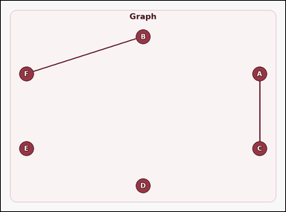 |  | task_graph_relation_same_component_count | same_component_count | You are given an image with a labeled undirected graph. Determine the answer: How many nodes, including node A itself, are in the same connected component as A? Return a valid JSON object with keys "evidence" and "answer" in that order. Evidence requirement: set "evidence" to an array containing the labels of all nodes in the connected component containing the asked node, including the asked node itself. Answer format: set "answer" to the count of those nodes as an integer. Example JSON: {"evidence":["B","F","H"],"answer":3} | You are given an image with a labeled undirected graph. Determine the answer: How many nodes, including node A itself, are in the same connected component as A? Return a valid JSON object with key "answer". Answer field: set "answer" to the count of those nodes as an integer. Example JSON: {"answer":3} | {"evidence": ["A", "C"], "answer": 2} | ["A", "C"] | integer | label_set | 7.6069236071E+15 | graph/task_graph_relation_same_component_count/images/default/0021.png | graph/task_graph_relation_same_component_count/data/default/0021.json
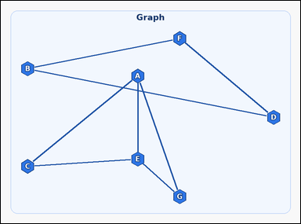 |  | task_graph_relation_same_component_count | same_component_count | Work from the image with a labeled undirected graph. Answer this question: How many nodes, including node F itself, are in the same connected component as F? Return a valid JSON object with keys "evidence" and "answer" in that order. Evidence requirement: set "evidence" to an array containing the labels of all nodes in the connected component containing the asked node, including the asked node itself. Answer format: set "answer" to the count of those nodes as an integer. Example JSON: {"evidence":["B","F","H"],"answer":3} | Work from the image with a labeled undirected graph. Answer this question: How many nodes, including node F itself, are in the same connected component as F? Return a valid JSON object with key "answer". Answer rule: set "answer" to the count of those nodes as an integer. Example JSON: {"answer":3} | {"evidence": ["B", "D", "F"], "answer": 3} | ["B", "D", "F"] | integer | label_set | 7.9308234107E+15 | graph/task_graph_relation_same_component_count/images/default/0000.png | graph/task_graph_relation_same_component_count/data/default/0000.json
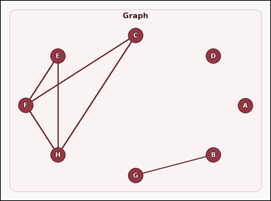 |  | task_graph_relation_same_component_count | same_component_count | Work from the image with a labeled undirected graph. Answer this question: How many nodes, including node C itself, are in the same connected component as C? Return a valid JSON object with keys "evidence" and "answer" in that order. Evidence field: set "evidence" to an array containing the labels of all nodes in the connected component containing the asked node, including the asked node itself. Answer field: set "answer" to the count of those nodes as an integer. Example JSON: {"evidence":["B","F","H"],"answer":3} | Work from the image with a labeled undirected graph. Answer this question: How many nodes, including node C itself, are in the same connected component as C? Return a valid JSON object with key "answer". Answer field: set "answer" to the count of those nodes as an integer. Example JSON: {"answer":3} | {"evidence": ["C", "E", "F", "H"], "answer": 4} | ["C", "E", "F", "H"] | integer | label_set | 8.3229453676E+15 | graph/task_graph_relation_same_component_count/images/default/0009.png | graph/task_graph_relation_same_component_count/data/default/0009.json

