unique_cycle_size
image | evidence_image | task | task_variant | prompt | prompt_answer_only | answer | answer_evidence | answer_type | evidence_type | instance_seed | image_path | data_path
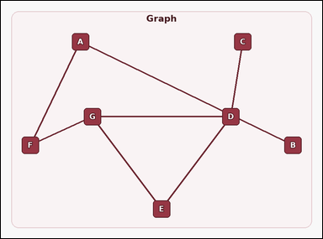 |  | task_graph_relation_unique_cycle_size | unique_cycle_size | The image shows a labeled undirected graph that contains exactly one cycle. The graph contains exactly one cycle. How many nodes are in that cycle? Return a valid JSON object with keys "evidence" and "answer" in that order. Evidence field: set "evidence" to an array containing the labels of all nodes in the unique cycle. Answer field: set "answer" to the number of nodes in the unique cycle as an integer. Example JSON: {"evidence":["B","D","H","J"],"answer":4} | The image shows a labeled undirected graph that contains exactly one cycle. The graph contains exactly one cycle. How many nodes are in that cycle? Return a valid JSON object with key "answer". Answer field: set "answer" to the number of nodes in the unique cycle as an integer. Example JSON: {"answer":4} | {"evidence": ["D", "E", "G"], "answer": 3} | ["D", "E", "G"] | integer | label_set | 85587311479260 | graph/task_graph_relation_unique_cycle_size/images/default/0017.png | graph/task_graph_relation_unique_cycle_size/data/default/0017.json
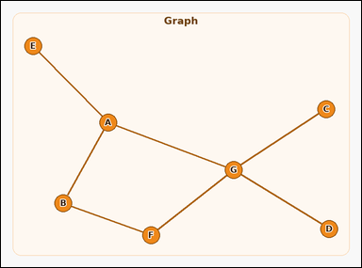 |  | task_graph_relation_unique_cycle_size | unique_cycle_size | The image shows a labeled undirected graph that contains exactly one cycle. Answer this question: The graph contains exactly one cycle. How many nodes are in that cycle? Return a valid JSON object with keys "evidence" and "answer" in that order. Evidence requirement: set "evidence" to an array containing the labels of all nodes in the unique cycle. Answer format: set "answer" to the number of nodes in the unique cycle as an integer. Example JSON: {"evidence":["B","D","H","J"],"answer":4} | The image shows a labeled undirected graph that contains exactly one cycle. Answer this question: The graph contains exactly one cycle. How many nodes are in that cycle? Return a valid JSON object with key "answer". Answer requirement: set "answer" to the number of nodes in the unique cycle as an integer. Example JSON: {"answer":4} | {"evidence": ["A", "B", "F", "G"], "answer": 4} | ["A", "B", "F", "G"] | integer | label_set | 426888337282666 | graph/task_graph_relation_unique_cycle_size/images/default/0004.png | graph/task_graph_relation_unique_cycle_size/data/default/0004.json
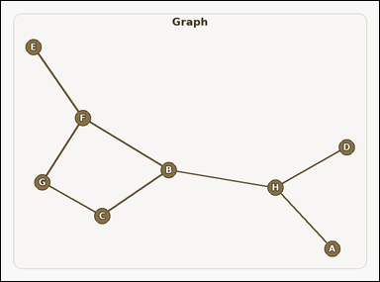 |  | task_graph_relation_unique_cycle_size | unique_cycle_size | You are given an image with a labeled undirected graph that contains exactly one cycle. The graph contains exactly one cycle. How many nodes are in that cycle? Return a valid JSON object with keys "evidence" and "answer" in that order. Evidence field: set "evidence" to an array containing the labels of all nodes in the unique cycle. Answer field: set "answer" to the number of nodes in the unique cycle as an integer. Example JSON: {"evidence":["B","D","H","J"],"answer":4} | You are given an image with a labeled undirected graph that contains exactly one cycle. The graph contains exactly one cycle. How many nodes are in that cycle? Return a valid JSON object with key "answer". Answer field: set "answer" to the number of nodes in the unique cycle as an integer. Example JSON: {"answer":4} | {"evidence": ["B", "C", "F", "G"], "answer": 4} | ["B", "C", "F", "G"] | integer | label_set | 1.3173369948E+15 | graph/task_graph_relation_unique_cycle_size/images/default/0022.png | graph/task_graph_relation_unique_cycle_size/data/default/0022.json
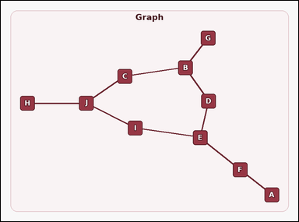 |  | task_graph_relation_unique_cycle_size | unique_cycle_size | Use the image containing a labeled undirected graph that contains exactly one cycle. Question: The graph contains exactly one cycle. How many nodes are in that cycle? Return a valid JSON object with keys "evidence" and "answer" in that order. Evidence field: set "evidence" to an array containing the labels of all nodes in the unique cycle. Answer field: set "answer" to the number of nodes in the unique cycle as an integer. Example JSON: {"evidence":["B","D","H","J"],"answer":4} | Use the image containing a labeled undirected graph that contains exactly one cycle. Question: The graph contains exactly one cycle. How many nodes are in that cycle? Return a valid JSON object with key "answer". Answer format: set "answer" to the number of nodes in the unique cycle as an integer. Example JSON: {"answer":4} | {"evidence": ["B", "C", "D", "E", "I", "J"], "answer": 6} | ["B", "C", "D", "E", "I", "J"] | integer | label_set | 2.0401123708E+15 | graph/task_graph_relation_unique_cycle_size/images/default/0006.png | graph/task_graph_relation_unique_cycle_size/data/default/0006.json
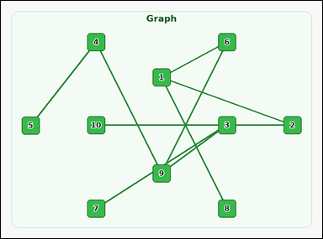 |  | task_graph_relation_unique_cycle_size | unique_cycle_size | You are given an image with a labeled undirected graph that contains exactly one cycle. Determine the answer: The graph contains exactly one cycle. How many nodes are in that cycle? Return a valid JSON object with keys "evidence" and "answer" in that order. Evidence format: set "evidence" to an array containing the labels of all nodes in the unique cycle. Answer requirement: set "answer" to the number of nodes in the unique cycle as an integer. Example JSON: {"evidence":["2","5","7","9"],"answer":4} | You are given an image with a labeled undirected graph that contains exactly one cycle. Determine the answer: The graph contains exactly one cycle. How many nodes are in that cycle? Return a valid JSON object with key "answer". Answer: set "answer" to the number of nodes in the unique cycle as an integer. Example JSON: {"answer":4} | {"evidence": ["1", "2", "3", "6", "9", "10"], "answer": 6} | ["1", "2", "3", "6", "9", "10"] | integer | label_set | 2.0440786086E+15 | graph/task_graph_relation_unique_cycle_size/images/default/0024.png | graph/task_graph_relation_unique_cycle_size/data/default/0024.json
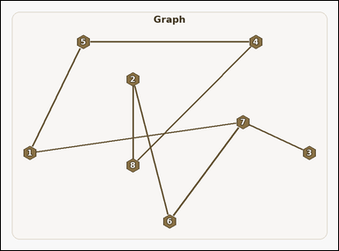 |  | task_graph_relation_unique_cycle_size | unique_cycle_size | Look at the image with a labeled undirected graph that contains exactly one cycle. Determine the answer: The graph contains exactly one cycle. How many nodes are in that cycle? Return a valid JSON object with keys "evidence" and "answer" in that order. Evidence format: set "evidence" to an array containing the labels of all nodes in the unique cycle. Answer requirement: set "answer" to the number of nodes in the unique cycle as an integer. Example JSON: {"evidence":["2","5","7","9"],"answer":4} | Look at the image with a labeled undirected graph that contains exactly one cycle. Determine the answer: The graph contains exactly one cycle. How many nodes are in that cycle? Return a valid JSON object with key "answer". Answer rule: set "answer" to the number of nodes in the unique cycle as an integer. Example JSON: {"answer":4} | {"evidence": ["1", "2", "4", "5", "6", "7", "8"], "answer": 7} | ["1", "2", "4", "5", "6", "7", "8"] | integer | label_set | 2.0517654309E+15 | graph/task_graph_relation_unique_cycle_size/images/default/0003.png | graph/task_graph_relation_unique_cycle_size/data/default/0003.json
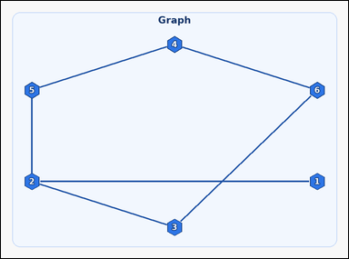 |  | task_graph_relation_unique_cycle_size | unique_cycle_size | The image shows a labeled undirected graph that contains exactly one cycle. Question: The graph contains exactly one cycle. How many nodes are in that cycle? Return a valid JSON object with keys "evidence" and "answer" in that order. Evidence: set "evidence" to an array containing the labels of all nodes in the unique cycle. Answer: set "answer" to the number of nodes in the unique cycle as an integer. Example JSON: {"evidence":["2","5","7","9"],"answer":4} | The image shows a labeled undirected graph that contains exactly one cycle. Question: The graph contains exactly one cycle. How many nodes are in that cycle? Return a valid JSON object with key "answer". Answer field: set "answer" to the number of nodes in the unique cycle as an integer. Example JSON: {"answer":4} | {"evidence": ["2", "3", "4", "5", "6"], "answer": 5} | ["2", "3", "4", "5", "6"] | integer | label_set | 2.2604968786E+15 | graph/task_graph_relation_unique_cycle_size/images/default/0011.png | graph/task_graph_relation_unique_cycle_size/data/default/0011.json
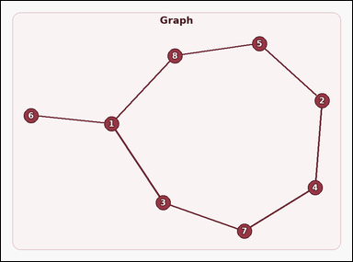 |  | task_graph_relation_unique_cycle_size | unique_cycle_size | You are given an image with a labeled undirected graph that contains exactly one cycle. Determine the answer: The graph contains exactly one cycle. How many nodes are in that cycle? Return a valid JSON object with keys "evidence" and "answer" in that order. Evidence format: set "evidence" to an array containing the labels of all nodes in the unique cycle. Answer requirement: set "answer" to the number of nodes in the unique cycle as an integer. Example JSON: {"evidence":["2","5","7","9"],"answer":4} | You are given an image with a labeled undirected graph that contains exactly one cycle. Determine the answer: The graph contains exactly one cycle. How many nodes are in that cycle? Return a valid JSON object with key "answer". Answer field: set "answer" to the number of nodes in the unique cycle as an integer. Example JSON: {"answer":4} | {"evidence": ["1", "2", "3", "4", "5", "7", "8"], "answer": 7} | ["1", "2", "3", "4", "5", "7", "8"] | integer | label_set | 2.6979494021E+15 | graph/task_graph_relation_unique_cycle_size/images/default/0002.png | graph/task_graph_relation_unique_cycle_size/data/default/0002.json
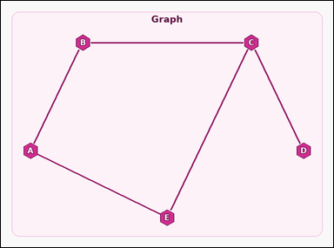 |  | task_graph_relation_unique_cycle_size | unique_cycle_size | The image shows a labeled undirected graph that contains exactly one cycle. Determine the answer: The graph contains exactly one cycle. How many nodes are in that cycle? Return a valid JSON object with keys "evidence" and "answer" in that order. Evidence field: set "evidence" to an array containing the labels of all nodes in the unique cycle. Answer field: set "answer" to the number of nodes in the unique cycle as an integer. Example JSON: {"evidence":["B","D","H","J"],"answer":4} | The image shows a labeled undirected graph that contains exactly one cycle. Determine the answer: The graph contains exactly one cycle. How many nodes are in that cycle? Return a valid JSON object with key "answer". Answer field: set "answer" to the number of nodes in the unique cycle as an integer. Example JSON: {"answer":4} | {"evidence": ["A", "B", "C", "E"], "answer": 4} | ["A", "B", "C", "E"] | integer | label_set | 2.7237492034E+15 | graph/task_graph_relation_unique_cycle_size/images/default/0013.png | graph/task_graph_relation_unique_cycle_size/data/default/0013.json
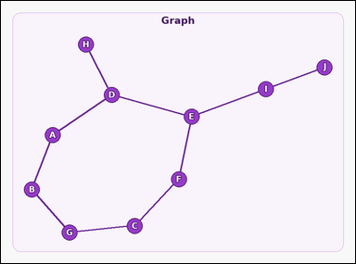 |  | task_graph_relation_unique_cycle_size | unique_cycle_size | Look at the image with a labeled undirected graph that contains exactly one cycle. Answer this question: The graph contains exactly one cycle. How many nodes are in that cycle? Return a valid JSON object with keys "evidence" and "answer" in that order. Evidence: set "evidence" to an array containing the labels of all nodes in the unique cycle. Answer: set "answer" to the number of nodes in the unique cycle as an integer. Example JSON: {"evidence":["B","D","H","J"],"answer":4} | Look at the image with a labeled undirected graph that contains exactly one cycle. Answer this question: The graph contains exactly one cycle. How many nodes are in that cycle? Return a valid JSON object with key "answer". Answer: set "answer" to the number of nodes in the unique cycle as an integer. Example JSON: {"answer":4} | {"evidence": ["A", "B", "C", "D", "E", "F", "G"], "answer": 7} | ["A", "B", "C", "D", "E", "F", "G"] | integer | label_set | 3.1088197825E+15 | graph/task_graph_relation_unique_cycle_size/images/default/0021.png | graph/task_graph_relation_unique_cycle_size/data/default/0021.json
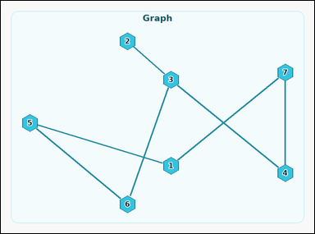 |  | task_graph_relation_unique_cycle_size | unique_cycle_size | Use the image containing a labeled undirected graph that contains exactly one cycle. Task: The graph contains exactly one cycle. How many nodes are in that cycle? Return a valid JSON object with keys "evidence" and "answer" in that order. Evidence requirement: set "evidence" to an array containing the labels of all nodes in the unique cycle. Answer format: set "answer" to the number of nodes in the unique cycle as an integer. Example JSON: {"evidence":["2","5","7","9"],"answer":4} | Use the image containing a labeled undirected graph that contains exactly one cycle. Task: The graph contains exactly one cycle. How many nodes are in that cycle? Return a valid JSON object with key "answer". Answer field: set "answer" to the number of nodes in the unique cycle as an integer. Example JSON: {"answer":4} | {"evidence": ["1", "3", "4", "5", "6", "7"], "answer": 6} | ["1", "3", "4", "5", "6", "7"] | integer | label_set | 3.4986199058E+15 | graph/task_graph_relation_unique_cycle_size/images/default/0010.png | graph/task_graph_relation_unique_cycle_size/data/default/0010.json
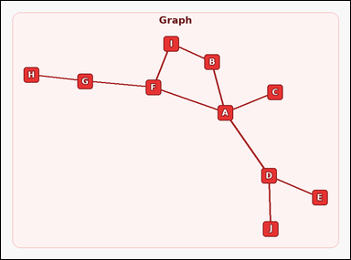 |  | task_graph_relation_unique_cycle_size | unique_cycle_size | The image shows a labeled undirected graph that contains exactly one cycle. Answer this question: The graph contains exactly one cycle. How many nodes are in that cycle? Return a valid JSON object with keys "evidence" and "answer" in that order. Evidence format: set "evidence" to an array containing the labels of all nodes in the unique cycle. Answer requirement: set "answer" to the number of nodes in the unique cycle as an integer. Example JSON: {"evidence":["B","D","H","J"],"answer":4} | The image shows a labeled undirected graph that contains exactly one cycle. Answer this question: The graph contains exactly one cycle. How many nodes are in that cycle? Return a valid JSON object with key "answer". Answer format: set "answer" to the number of nodes in the unique cycle as an integer. Example JSON: {"answer":4} | {"evidence": ["A", "B", "F", "I"], "answer": 4} | ["A", "B", "F", "I"] | integer | label_set | 4.4877485481E+15 | graph/task_graph_relation_unique_cycle_size/images/default/0019.png | graph/task_graph_relation_unique_cycle_size/data/default/0019.json
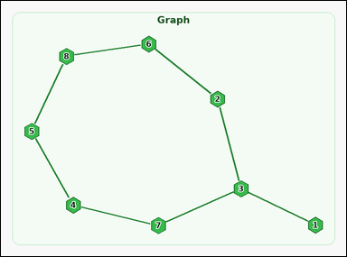 |  | task_graph_relation_unique_cycle_size | unique_cycle_size | Work from the image with a labeled undirected graph that contains exactly one cycle. Answer this question: The graph contains exactly one cycle. How many nodes are in that cycle? Return a valid JSON object with keys "evidence" and "answer" in that order. Evidence field: set "evidence" to an array containing the labels of all nodes in the unique cycle. Answer field: set "answer" to the number of nodes in the unique cycle as an integer. Example JSON: {"evidence":["2","5","7","9"],"answer":4} | Work from the image with a labeled undirected graph that contains exactly one cycle. Answer this question: The graph contains exactly one cycle. How many nodes are in that cycle? Return a valid JSON object with key "answer". Answer requirement: set "answer" to the number of nodes in the unique cycle as an integer. Example JSON: {"answer":4} | {"evidence": ["2", "3", "4", "5", "6", "7", "8"], "answer": 7} | ["2", "3", "4", "5", "6", "7", "8"] | integer | label_set | 4.5119574357E+15 | graph/task_graph_relation_unique_cycle_size/images/default/0020.png | graph/task_graph_relation_unique_cycle_size/data/default/0020.json
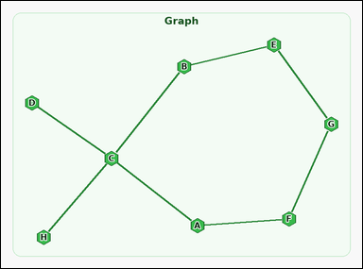 |  | task_graph_relation_unique_cycle_size | unique_cycle_size | You are given an image with a labeled undirected graph that contains exactly one cycle. Question: The graph contains exactly one cycle. How many nodes are in that cycle? Return a valid JSON object with keys "evidence" and "answer" in that order. Evidence requirement: set "evidence" to an array containing the labels of all nodes in the unique cycle. Answer format: set "answer" to the number of nodes in the unique cycle as an integer. Example JSON: {"evidence":["B","D","H","J"],"answer":4} | You are given an image with a labeled undirected graph that contains exactly one cycle. Question: The graph contains exactly one cycle. How many nodes are in that cycle? Return a valid JSON object with key "answer". Answer: set "answer" to the number of nodes in the unique cycle as an integer. Example JSON: {"answer":4} | {"evidence": ["A", "B", "C", "E", "F", "G"], "answer": 6} | ["A", "B", "C", "E", "F", "G"] | integer | label_set | 4.8903745814E+15 | graph/task_graph_relation_unique_cycle_size/images/default/0009.png | graph/task_graph_relation_unique_cycle_size/data/default/0009.json
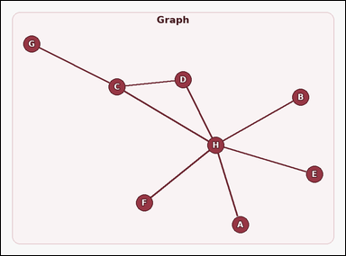 |  | task_graph_relation_unique_cycle_size | unique_cycle_size | Work from the image with a labeled undirected graph that contains exactly one cycle. Task: The graph contains exactly one cycle. How many nodes are in that cycle? Return a valid JSON object with keys "evidence" and "answer" in that order. Evidence rule: set "evidence" to an array containing the labels of all nodes in the unique cycle. Answer rule: set "answer" to the number of nodes in the unique cycle as an integer. Example JSON: {"evidence":["B","D","H","J"],"answer":4} | Work from the image with a labeled undirected graph that contains exactly one cycle. Task: The graph contains exactly one cycle. How many nodes are in that cycle? Return a valid JSON object with key "answer". Answer: set "answer" to the number of nodes in the unique cycle as an integer. Example JSON: {"answer":4} | {"evidence": ["C", "D", "H"], "answer": 3} | ["C", "D", "H"] | integer | label_set | 5.4710598767E+15 | graph/task_graph_relation_unique_cycle_size/images/default/0016.png | graph/task_graph_relation_unique_cycle_size/data/default/0016.json
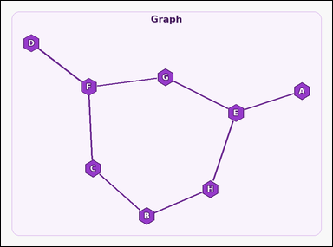 |  | task_graph_relation_unique_cycle_size | unique_cycle_size | Work from the image with a labeled undirected graph that contains exactly one cycle. Determine the answer: The graph contains exactly one cycle. How many nodes are in that cycle? Return a valid JSON object with keys "evidence" and "answer" in that order. Evidence rule: set "evidence" to an array containing the labels of all nodes in the unique cycle. Answer rule: set "answer" to the number of nodes in the unique cycle as an integer. Example JSON: {"evidence":["B","D","H","J"],"answer":4} | Work from the image with a labeled undirected graph that contains exactly one cycle. Determine the answer: The graph contains exactly one cycle. How many nodes are in that cycle? Return a valid JSON object with key "answer". Answer rule: set "answer" to the number of nodes in the unique cycle as an integer. Example JSON: {"answer":4} | {"evidence": ["B", "C", "E", "F", "G", "H"], "answer": 6} | ["B", "C", "E", "F", "G", "H"] | integer | label_set | 5.6379100094E+15 | graph/task_graph_relation_unique_cycle_size/images/default/0018.png | graph/task_graph_relation_unique_cycle_size/data/default/0018.json
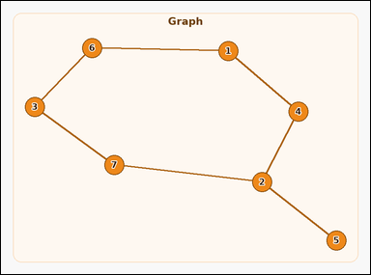 |  | task_graph_relation_unique_cycle_size | unique_cycle_size | Work from the image with a labeled undirected graph that contains exactly one cycle. Answer this question: The graph contains exactly one cycle. How many nodes are in that cycle? Return a valid JSON object with keys "evidence" and "answer" in that order. Evidence field: set "evidence" to an array containing the labels of all nodes in the unique cycle. Answer field: set "answer" to the number of nodes in the unique cycle as an integer. Example JSON: {"evidence":["2","5","7","9"],"answer":4} | Work from the image with a labeled undirected graph that contains exactly one cycle. Answer this question: The graph contains exactly one cycle. How many nodes are in that cycle? Return a valid JSON object with key "answer". Answer format: set "answer" to the number of nodes in the unique cycle as an integer. Example JSON: {"answer":4} | {"evidence": ["1", "2", "3", "4", "6", "7"], "answer": 6} | ["1", "2", "3", "4", "6", "7"] | integer | label_set | 5.7193404522E+15 | graph/task_graph_relation_unique_cycle_size/images/default/0007.png | graph/task_graph_relation_unique_cycle_size/data/default/0007.json
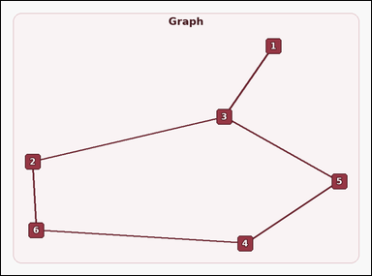 |  | task_graph_relation_unique_cycle_size | unique_cycle_size | Use the image containing a labeled undirected graph that contains exactly one cycle. Answer this question: The graph contains exactly one cycle. How many nodes are in that cycle? Return a valid JSON object with keys "evidence" and "answer" in that order. Evidence: set "evidence" to an array containing the labels of all nodes in the unique cycle. Answer: set "answer" to the number of nodes in the unique cycle as an integer. Example JSON: {"evidence":["2","5","7","9"],"answer":4} | Use the image containing a labeled undirected graph that contains exactly one cycle. Answer this question: The graph contains exactly one cycle. How many nodes are in that cycle? Return a valid JSON object with key "answer". Answer format: set "answer" to the number of nodes in the unique cycle as an integer. Example JSON: {"answer":4} | {"evidence": ["2", "3", "4", "5", "6"], "answer": 5} | ["2", "3", "4", "5", "6"] | integer | label_set | 5.8052506514E+15 | graph/task_graph_relation_unique_cycle_size/images/default/0014.png | graph/task_graph_relation_unique_cycle_size/data/default/0014.json
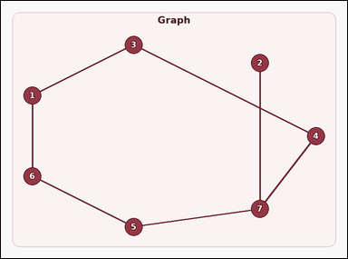 |  | task_graph_relation_unique_cycle_size | unique_cycle_size | You are given an image with a labeled undirected graph that contains exactly one cycle. Question: The graph contains exactly one cycle. How many nodes are in that cycle? Return a valid JSON object with keys "evidence" and "answer" in that order. Evidence: set "evidence" to an array containing the labels of all nodes in the unique cycle. Answer: set "answer" to the number of nodes in the unique cycle as an integer. Example JSON: {"evidence":["2","5","7","9"],"answer":4} | You are given an image with a labeled undirected graph that contains exactly one cycle. Question: The graph contains exactly one cycle. How many nodes are in that cycle? Return a valid JSON object with key "answer". Answer: set "answer" to the number of nodes in the unique cycle as an integer. Example JSON: {"answer":4} | {"evidence": ["1", "3", "4", "5", "6", "7"], "answer": 6} | ["1", "3", "4", "5", "6", "7"] | integer | label_set | 6.7459087407E+15 | graph/task_graph_relation_unique_cycle_size/images/default/0008.png | graph/task_graph_relation_unique_cycle_size/data/default/0008.json
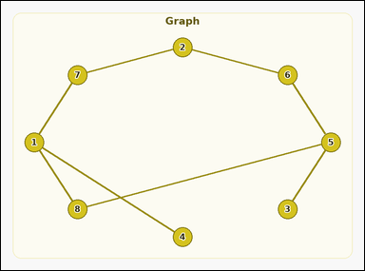 |  | task_graph_relation_unique_cycle_size | unique_cycle_size | You are given an image with a labeled undirected graph that contains exactly one cycle. Answer this question: The graph contains exactly one cycle. How many nodes are in that cycle? Return a valid JSON object with keys "evidence" and "answer" in that order. Evidence field: set "evidence" to an array containing the labels of all nodes in the unique cycle. Answer field: set "answer" to the number of nodes in the unique cycle as an integer. Example JSON: {"evidence":["2","5","7","9"],"answer":4} | You are given an image with a labeled undirected graph that contains exactly one cycle. Answer this question: The graph contains exactly one cycle. How many nodes are in that cycle? Return a valid JSON object with key "answer". Answer field: set "answer" to the number of nodes in the unique cycle as an integer. Example JSON: {"answer":4} | {"evidence": ["1", "2", "5", "6", "7", "8"], "answer": 6} | ["1", "2", "5", "6", "7", "8"] | integer | label_set | 6.8537647081E+15 | graph/task_graph_relation_unique_cycle_size/images/default/0001.png | graph/task_graph_relation_unique_cycle_size/data/default/0001.json
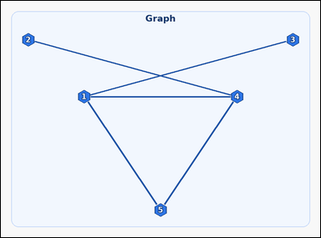 |  | task_graph_relation_unique_cycle_size | unique_cycle_size | Work from the image with a labeled undirected graph that contains exactly one cycle. Determine the answer: The graph contains exactly one cycle. How many nodes are in that cycle? Return a valid JSON object with keys "evidence" and "answer" in that order. Evidence field: set "evidence" to an array containing the labels of all nodes in the unique cycle. Answer field: set "answer" to the number of nodes in the unique cycle as an integer. Example JSON: {"evidence":["2","5","7","9"],"answer":4} | Work from the image with a labeled undirected graph that contains exactly one cycle. Determine the answer: The graph contains exactly one cycle. How many nodes are in that cycle? Return a valid JSON object with key "answer". Answer rule: set "answer" to the number of nodes in the unique cycle as an integer. Example JSON: {"answer":4} | {"evidence": ["1", "4", "5"], "answer": 3} | ["1", "4", "5"] | integer | label_set | 6.9630578242E+15 | graph/task_graph_relation_unique_cycle_size/images/default/0015.png | graph/task_graph_relation_unique_cycle_size/data/default/0015.json
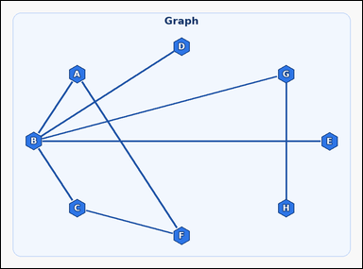 |  | task_graph_relation_unique_cycle_size | unique_cycle_size | The image shows a labeled undirected graph that contains exactly one cycle. Question: The graph contains exactly one cycle. How many nodes are in that cycle? Return a valid JSON object with keys "evidence" and "answer" in that order. Evidence format: set "evidence" to an array containing the labels of all nodes in the unique cycle. Answer requirement: set "answer" to the number of nodes in the unique cycle as an integer. Example JSON: {"evidence":["B","D","H","J"],"answer":4} | The image shows a labeled undirected graph that contains exactly one cycle. Question: The graph contains exactly one cycle. How many nodes are in that cycle? Return a valid JSON object with key "answer". Answer requirement: set "answer" to the number of nodes in the unique cycle as an integer. Example JSON: {"answer":4} | {"evidence": ["A", "B", "C", "F"], "answer": 4} | ["A", "B", "C", "F"] | integer | label_set | 7.9525359217E+15 | graph/task_graph_relation_unique_cycle_size/images/default/0023.png | graph/task_graph_relation_unique_cycle_size/data/default/0023.json
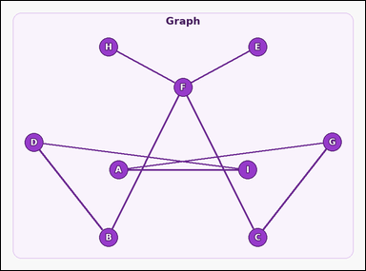 |  | task_graph_relation_unique_cycle_size | unique_cycle_size | Work from the image with a labeled undirected graph that contains exactly one cycle. Answer this question: The graph contains exactly one cycle. How many nodes are in that cycle? Return a valid JSON object with keys "evidence" and "answer" in that order. Evidence requirement: set "evidence" to an array containing the labels of all nodes in the unique cycle. Answer format: set "answer" to the number of nodes in the unique cycle as an integer. Example JSON: {"evidence":["B","D","H","J"],"answer":4} | Work from the image with a labeled undirected graph that contains exactly one cycle. Answer this question: The graph contains exactly one cycle. How many nodes are in that cycle? Return a valid JSON object with key "answer". Answer field: set "answer" to the number of nodes in the unique cycle as an integer. Example JSON: {"answer":4} | {"evidence": ["A", "B", "C", "D", "F", "G", "I"], "answer": 7} | ["A", "B", "C", "D", "F", "G", "I"] | integer | label_set | 8.1989044477E+15 | graph/task_graph_relation_unique_cycle_size/images/default/0005.png | graph/task_graph_relation_unique_cycle_size/data/default/0005.json
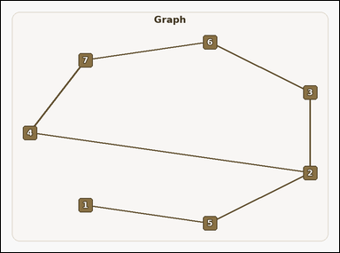 |  | task_graph_relation_unique_cycle_size | unique_cycle_size | The image shows a labeled undirected graph that contains exactly one cycle. Determine the answer: The graph contains exactly one cycle. How many nodes are in that cycle? Return a valid JSON object with keys "evidence" and "answer" in that order. Evidence field: set "evidence" to an array containing the labels of all nodes in the unique cycle. Answer field: set "answer" to the number of nodes in the unique cycle as an integer. Example JSON: {"evidence":["2","5","7","9"],"answer":4} | The image shows a labeled undirected graph that contains exactly one cycle. Determine the answer: The graph contains exactly one cycle. How many nodes are in that cycle? Return a valid JSON object with key "answer". Answer rule: set "answer" to the number of nodes in the unique cycle as an integer. Example JSON: {"answer":4} | {"evidence": ["2", "3", "4", "6", "7"], "answer": 5} | ["2", "3", "4", "6", "7"] | integer | label_set | 8.9211022132E+15 | graph/task_graph_relation_unique_cycle_size/images/default/0000.png | graph/task_graph_relation_unique_cycle_size/data/default/0000.json
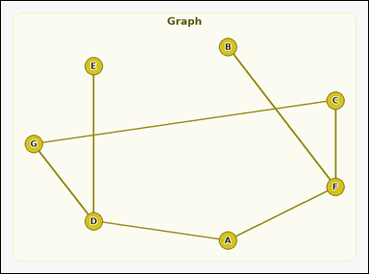 |  | task_graph_relation_unique_cycle_size | unique_cycle_size | Use the image containing a labeled undirected graph that contains exactly one cycle. Question: The graph contains exactly one cycle. How many nodes are in that cycle? Return a valid JSON object with keys "evidence" and "answer" in that order. Evidence rule: set "evidence" to an array containing the labels of all nodes in the unique cycle. Answer rule: set "answer" to the number of nodes in the unique cycle as an integer. Example JSON: {"evidence":["B","D","H","J"],"answer":4} | Use the image containing a labeled undirected graph that contains exactly one cycle. Question: The graph contains exactly one cycle. How many nodes are in that cycle? Return a valid JSON object with key "answer". Answer field: set "answer" to the number of nodes in the unique cycle as an integer. Example JSON: {"answer":4} | {"evidence": ["A", "C", "D", "F", "G"], "answer": 5} | ["A", "C", "D", "F", "G"] | integer | label_set | 9.0060082698E+15 | graph/task_graph_relation_unique_cycle_size/images/default/0012.png | graph/task_graph_relation_unique_cycle_size/data/default/0012.json

