singleton_type_count
image | evidence_image | task | task_variant | prompt | prompt_answer_only | answer | answer_evidence | answer_type | evidence_type | instance_seed | image_path | data_path
 |  | task_icons_counting_singleton_type | singleton_type_count | Work from the image with a single Scene panel filled with icons. How many icons are of a type that appears exactly once in the image? Return a valid JSON object with keys "evidence" and "answer" in that order. Evidence format: set "evidence" to a JSON array of [x_min, y_min, x_max, y_max] boxes in image pixel coordinates for all singleton-type icons in the image, sorted from top to bottom and then left to right. Answer requirement: set "answer" to the count as an integer. Example JSON: {"evidence":[[116,128,176,188],[634,302,704,372]],"answer":2} | Work from the image with a single Scene panel filled with icons. How many icons are of a type that appears exactly once in the image? Return a valid JSON object with key "answer". Answer: set "answer" to the count as an integer. Example JSON: {"answer":2} | {"evidence": [], "answer": 0} | [] | integer | bbox_set | 119371568808785 | icons/task_icons_counting_singleton_type/images/default/0011.png | icons/task_icons_counting_singleton_type/data/default/0011.json
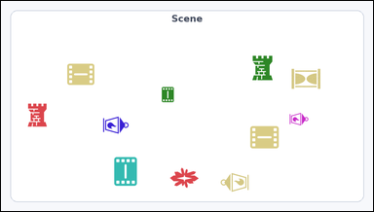 | 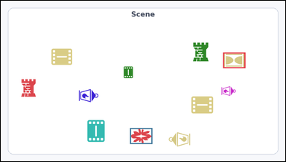 | task_icons_counting_singleton_type | singleton_type_count | Work from the image with a single Scene panel filled with icons. Question: How many icons are of a type that appears exactly once in the image? Return a valid JSON object with keys "evidence" and "answer" in that order. Evidence format: set "evidence" to a JSON array of [x_min, y_min, x_max, y_max] boxes in image pixel coordinates for all singleton-type icons in the image, sorted from top to bottom and then left to right. Answer requirement: set "answer" to the count as an integer. Example JSON: {"evidence":[[116,128,176,188],[634,302,704,372]],"answer":2} | Work from the image with a single Scene panel filled with icons. Question: How many icons are of a type that appears exactly once in the image? Return a valid JSON object with key "answer". Answer field: set "answer" to the count as an integer. Example JSON: {"answer":2} | {"evidence": [[750, 175, 825, 228], [436, 431, 511, 485]], "answer": 2} | [[750, 175, 825, 228], [436, 431, 511, 485]] | integer | bbox_set | 828936619787900 | icons/task_icons_counting_singleton_type/images/default/0012.png | icons/task_icons_counting_singleton_type/data/default/0012.json
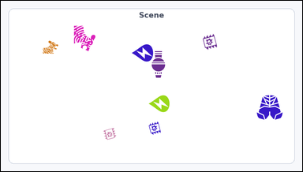 | 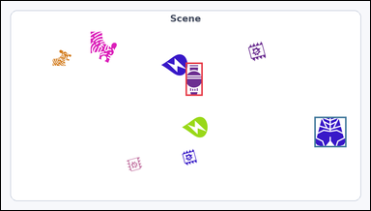 | task_icons_counting_singleton_type | singleton_type_count | You are given an image with a single Scene panel filled with icons. How many icons are of a type that appears exactly once in the image? Return a valid JSON object with keys "evidence" and "answer" in that order. Evidence field: set "evidence" to a JSON array of [x_min, y_min, x_max, y_max] boxes in image pixel coordinates for all singleton-type icons in the image, sorted from top to bottom and then left to right. Answer field: set "answer" to the count as an integer. Example JSON: {"evidence":[[116,128,176,188],[634,302,704,372]],"answer":2} | You are given an image with a single Scene panel filled with icons. How many icons are of a type that appears exactly once in the image? Return a valid JSON object with key "answer". Answer rule: set "answer" to the count as an integer. Example JSON: {"answer":2} | {"evidence": [[480, 160, 524, 246], [815, 301, 898, 380]], "answer": 2} | [[480, 160, 524, 246], [815, 301, 898, 380]] | integer | bbox_set | 1.0698879133E+15 | icons/task_icons_counting_singleton_type/images/default/0021.png | icons/task_icons_counting_singleton_type/data/default/0021.json
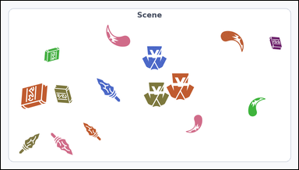 |  | task_icons_counting_singleton_type | singleton_type_count | You are given an image with a single Scene panel filled with icons. Question: How many icons are of a type that appears exactly once in the image? Return a valid JSON object with keys "evidence" and "answer" in that order. Evidence field: set "evidence" to a JSON array of [x_min, y_min, x_max, y_max] boxes in image pixel coordinates for all singleton-type icons in the image, sorted from top to bottom and then left to right. Answer field: set "answer" to the count as an integer. Example JSON: {"evidence":[[116,128,176,188],[634,302,704,372]],"answer":2} | You are given an image with a single Scene panel filled with icons. Question: How many icons are of a type that appears exactly once in the image? Return a valid JSON object with key "answer". Answer field: set "answer" to the count as an integer. Example JSON: {"answer":2} | {"evidence": [], "answer": 0} | [] | integer | bbox_set | 1.1257039025E+15 | icons/task_icons_counting_singleton_type/images/default/0004.png | icons/task_icons_counting_singleton_type/data/default/0004.json
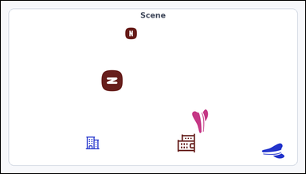 |  | task_icons_counting_singleton_type | singleton_type_count | The image shows a single Scene panel filled with icons. Answer this question: How many icons are of a type that appears exactly once in the image? Return a valid JSON object with keys "evidence" and "answer" in that order. Evidence field: set "evidence" to a JSON array of [x_min, y_min, x_max, y_max] boxes in image pixel coordinates for all singleton-type icons in the image, sorted from top to bottom and then left to right. Answer field: set "answer" to the count as an integer. Example JSON: {"evidence":[[116,128,176,188],[634,302,704,372]],"answer":2} | The image shows a single Scene panel filled with icons. Answer this question: How many icons are of a type that appears exactly once in the image? Return a valid JSON object with key "answer". Answer requirement: set "answer" to the count as an integer. Example JSON: {"answer":2} | {"evidence": [], "answer": 0} | [] | integer | bbox_set | 1.6396063761E+15 | icons/task_icons_counting_singleton_type/images/default/0007.png | icons/task_icons_counting_singleton_type/data/default/0007.json
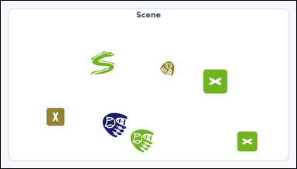 | 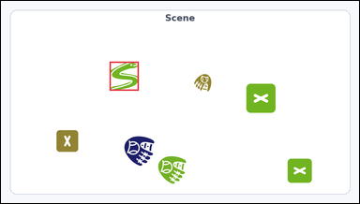 | task_icons_counting_singleton_type | singleton_type_count | Look at the image with a single Scene panel filled with icons. Answer this question: How many icons are of a type that appears exactly once in the image? Return a valid JSON object with keys "evidence" and "answer" in that order. Evidence rule: set "evidence" to a JSON array of [x_min, y_min, x_max, y_max] boxes in image pixel coordinates for all singleton-type icons in the image, sorted from top to bottom and then left to right. Answer rule: set "answer" to the count as an integer. Example JSON: {"evidence":[[116,128,176,188],[634,302,704,372]],"answer":2} | Look at the image with a single Scene panel filled with icons. Answer this question: How many icons are of a type that appears exactly once in the image? Return a valid JSON object with key "answer". Answer requirement: set "answer" to the count as an integer. Example JSON: {"answer":2} | {"evidence": [[291, 163, 369, 241]], "answer": 1} | [[291, 163, 369, 241]] | integer | bbox_set | 2.5089584505E+15 | icons/task_icons_counting_singleton_type/images/default/0016.png | icons/task_icons_counting_singleton_type/data/default/0016.json
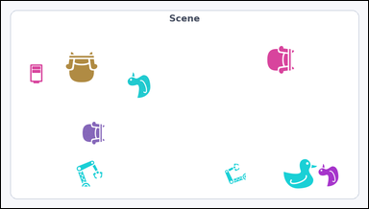 |  | task_icons_counting_singleton_type | singleton_type_count | Look at the image with a single Scene panel filled with icons. Question: How many icons are of a type that appears exactly once in the image? Return a valid JSON object with keys "evidence" and "answer" in that order. Evidence rule: set "evidence" to a JSON array of [x_min, y_min, x_max, y_max] boxes in image pixel coordinates for all singleton-type icons in the image, sorted from top to bottom and then left to right. Answer rule: set "answer" to the count as an integer. Example JSON: {"evidence":[[116,128,176,188],[634,302,704,372]],"answer":2} | Look at the image with a single Scene panel filled with icons. Question: How many icons are of a type that appears exactly once in the image? Return a valid JSON object with key "answer". Answer requirement: set "answer" to the count as an integer. Example JSON: {"answer":2} | {"evidence": [[76, 166, 109, 217]], "answer": 1} | [[76, 166, 109, 217]] | integer | bbox_set | 2.7722380643E+15 | icons/task_icons_counting_singleton_type/images/default/0018.png | icons/task_icons_counting_singleton_type/data/default/0018.json
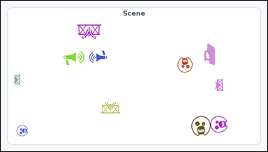 | 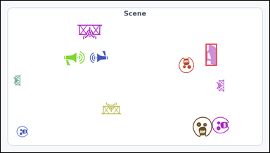 | task_icons_counting_singleton_type | singleton_type_count | Work from the image with a single Scene panel filled with icons. How many icons are of a type that appears exactly once in the image? Return a valid JSON object with keys "evidence" and "answer" in that order. Evidence rule: set "evidence" to a JSON array of [x_min, y_min, x_max, y_max] boxes in image pixel coordinates for all singleton-type icons in the image, sorted from top to bottom and then left to right. Answer rule: set "answer" to the count as an integer. Example JSON: {"evidence":[[116,128,176,188],[634,302,704,372]],"answer":2} | Work from the image with a single Scene panel filled with icons. How many icons are of a type that appears exactly once in the image? Return a valid JSON object with key "answer". Answer rule: set "answer" to the count as an integer. Example JSON: {"answer":2} | {"evidence": [[732, 154, 772, 233]], "answer": 1} | [[732, 154, 772, 233]] | integer | bbox_set | 2.9699897374E+15 | icons/task_icons_counting_singleton_type/images/default/0014.png | icons/task_icons_counting_singleton_type/data/default/0014.json
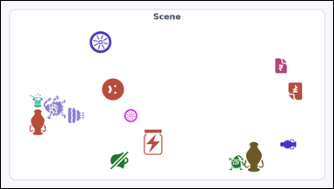 | 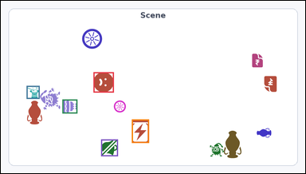 | task_icons_counting_singleton_type | singleton_type_count | You are given an image with a single Scene panel filled with icons. Task: How many icons are of a type that appears exactly once in the image? Return a valid JSON object with keys "evidence" and "answer" in that order. Evidence rule: set "evidence" to a JSON array of [x_min, y_min, x_max, y_max] boxes in image pixel coordinates for all singleton-type icons in the image, sorted from top to bottom and then left to right. Answer rule: set "answer" to the count as an integer. Example JSON: {"evidence":[[116,128,176,188],[634,302,704,372]],"answer":2} | You are given an image with a single Scene panel filled with icons. Task: How many icons are of a type that appears exactly once in the image? Return a valid JSON object with key "answer". Answer field: set "answer" to the count as an integer. Example JSON: {"answer":2} | {"evidence": [[292, 225, 356, 289], [81, 268, 122, 309], [194, 311, 241, 355], [413, 374, 467, 448], [316, 437, 369, 490]], "answer": 5} | [[292, 225, 356, 289], [81, 268, 122, 309], [194, 311, 241, 355], [413, 374, 467, 448], [316, 437, 369, 490]] | integer | bbox_set | 3.1428360514E+15 | icons/task_icons_counting_singleton_type/images/default/0023.png | icons/task_icons_counting_singleton_type/data/default/0023.json
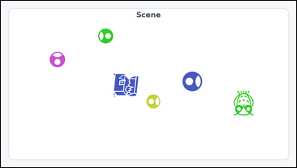 | 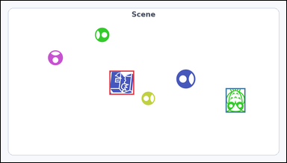 | task_icons_counting_singleton_type | singleton_type_count | You are given an image with a single Scene panel filled with icons. Task: How many icons are of a type that appears exactly once in the image? Return a valid JSON object with keys "evidence" and "answer" in that order. Evidence requirement: set "evidence" to a JSON array of [x_min, y_min, x_max, y_max] boxes in image pixel coordinates for all singleton-type icons in the image, sorted from top to bottom and then left to right. Answer format: set "answer" to the count as an integer. Example JSON: {"evidence":[[116,128,176,188],[634,302,704,372]],"answer":2} | You are given an image with a single Scene panel filled with icons. Task: How many icons are of a type that appears exactly once in the image? Return a valid JSON object with key "answer". Answer format: set "answer" to the count as an integer. Example JSON: {"answer":2} | {"evidence": [[365, 235, 448, 316], [756, 294, 822, 376]], "answer": 2} | [[365, 235, 448, 316], [756, 294, 822, 376]] | integer | bbox_set | 3.2531613856E+15 | icons/task_icons_counting_singleton_type/images/default/0019.png | icons/task_icons_counting_singleton_type/data/default/0019.json
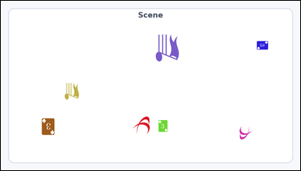 |  | task_icons_counting_singleton_type | singleton_type_count | Work from the image with a single Scene panel filled with icons. Determine the answer: How many icons are of a type that appears exactly once in the image? Return a valid JSON object with keys "evidence" and "answer" in that order. Evidence requirement: set "evidence" to a JSON array of [x_min, y_min, x_max, y_max] boxes in image pixel coordinates for all singleton-type icons in the image, sorted from top to bottom and then left to right. Answer format: set "answer" to the count as an integer. Example JSON: {"evidence":[[116,128,176,188],[634,302,704,372]],"answer":2} | Work from the image with a single Scene panel filled with icons. Determine the answer: How many icons are of a type that appears exactly once in the image? Return a valid JSON object with key "answer". Answer field: set "answer" to the count as an integer. Example JSON: {"answer":2} | {"evidence": [], "answer": 0} | [] | integer | bbox_set | 3.9746522938E+15 | icons/task_icons_counting_singleton_type/images/default/0015.png | icons/task_icons_counting_singleton_type/data/default/0015.json
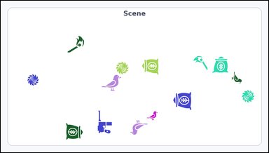 | 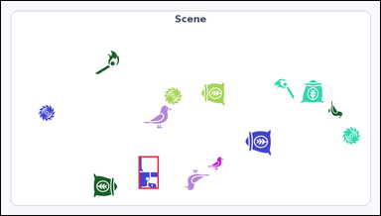 | task_icons_counting_singleton_type | singleton_type_count | Use the image containing a single Scene panel filled with icons. Answer this question: How many icons are of a type that appears exactly once in the image? Return a valid JSON object with keys "evidence" and "answer" in that order. Evidence requirement: set "evidence" to a JSON array of [x_min, y_min, x_max, y_max] boxes in image pixel coordinates for all singleton-type icons in the image, sorted from top to bottom and then left to right. Answer format: set "answer" to the count as an integer. Example JSON: {"evidence":[[116,128,176,188],[634,302,704,372]],"answer":2} | Use the image containing a single Scene panel filled with icons. Answer this question: How many icons are of a type that appears exactly once in the image? Return a valid JSON object with key "answer". Answer field: set "answer" to the count as an integer. Example JSON: {"answer":2} | {"evidence": [[348, 394, 399, 477]], "answer": 1} | [[348, 394, 399, 477]] | integer | bbox_set | 4.2318913064E+15 | icons/task_icons_counting_singleton_type/images/default/0002.png | icons/task_icons_counting_singleton_type/data/default/0002.json
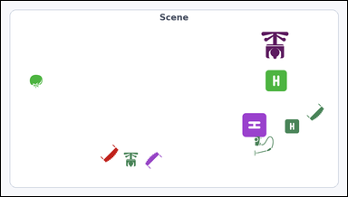 | 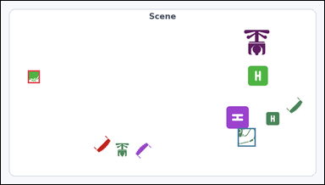 | task_icons_counting_singleton_type | singleton_type_count | Use the image containing a single Scene panel filled with icons. How many icons are of a type that appears exactly once in the image? Return a valid JSON object with keys "evidence" and "answer" in that order. Evidence format: set "evidence" to a JSON array of [x_min, y_min, x_max, y_max] boxes in image pixel coordinates for all singleton-type icons in the image, sorted from top to bottom and then left to right. Answer requirement: set "answer" to the count as an integer. Example JSON: {"evidence":[[116,128,176,188],[634,302,704,372]],"answer":2} | Use the image containing a single Scene panel filled with icons. How many icons are of a type that appears exactly once in the image? Return a valid JSON object with key "answer". Answer requirement: set "answer" to the count as an integer. Example JSON: {"answer":2} | {"evidence": [[80, 206, 115, 244], [703, 377, 756, 432]], "answer": 2} | [[80, 206, 115, 244], [703, 377, 756, 432]] | integer | bbox_set | 4.400159774E+15 | icons/task_icons_counting_singleton_type/images/default/0001.png | icons/task_icons_counting_singleton_type/data/default/0001.json
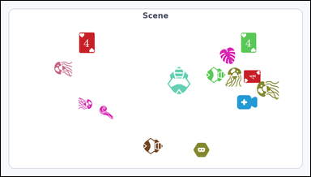 | 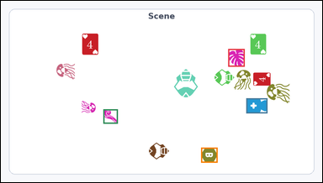 | task_icons_counting_singleton_type | singleton_type_count | Use the image containing a single Scene panel filled with icons. Question: How many icons are of a type that appears exactly once in the image? Return a valid JSON object with keys "evidence" and "answer" in that order. Evidence rule: set "evidence" to a JSON array of [x_min, y_min, x_max, y_max] boxes in image pixel coordinates for all singleton-type icons in the image, sorted from top to bottom and then left to right. Answer rule: set "answer" to the count as an integer. Example JSON: {"evidence":[[116,128,176,188],[634,302,704,372]],"answer":2} | Use the image containing a single Scene panel filled with icons. Question: How many icons are of a type that appears exactly once in the image? Return a valid JSON object with key "answer". Answer format: set "answer" to the count as an integer. Example JSON: {"answer":2} | {"evidence": [[679, 144, 728, 197], [733, 292, 796, 337], [306, 325, 349, 368], [598, 440, 647, 485]], "answer": 4} | [[679, 144, 728, 197], [733, 292, 796, 337], [306, 325, 349, 368], [598, 440, 647, 485]] | integer | bbox_set | 4.7619196864E+15 | icons/task_icons_counting_singleton_type/images/default/0022.png | icons/task_icons_counting_singleton_type/data/default/0022.json
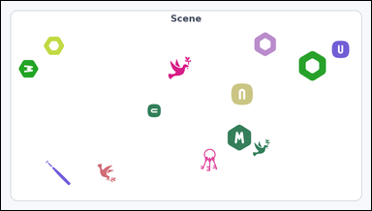 | 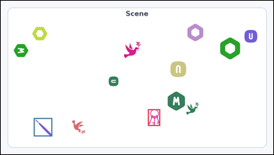 | task_icons_counting_singleton_type | singleton_type_count | You are given an image with a single Scene panel filled with icons. Determine the answer: How many icons are of a type that appears exactly once in the image? Return a valid JSON object with keys "evidence" and "answer" in that order. Evidence rule: set "evidence" to a JSON array of [x_min, y_min, x_max, y_max] boxes in image pixel coordinates for all singleton-type icons in the image, sorted from top to bottom and then left to right. Answer rule: set "answer" to the count as an integer. Example JSON: {"evidence":[[116,128,176,188],[634,302,704,372]],"answer":2} | You are given an image with a single Scene panel filled with icons. Determine the answer: How many icons are of a type that appears exactly once in the image? Return a valid JSON object with key "answer". Answer requirement: set "answer" to the count as an integer. Example JSON: {"answer":2} | {"evidence": [[518, 384, 561, 443], [116, 415, 181, 480]], "answer": 2} | [[518, 384, 561, 443], [116, 415, 181, 480]] | integer | bbox_set | 5.0115434525E+15 | icons/task_icons_counting_singleton_type/images/default/0020.png | icons/task_icons_counting_singleton_type/data/default/0020.json
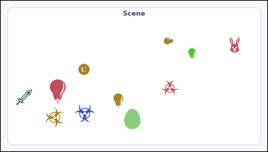 | 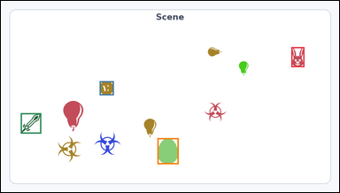 | task_icons_counting_singleton_type | singleton_type_count | The image shows a single Scene panel filled with icons. Task: How many icons are of a type that appears exactly once in the image? Return a valid JSON object with keys "evidence" and "answer" in that order. Evidence format: set "evidence" to a JSON array of [x_min, y_min, x_max, y_max] boxes in image pixel coordinates for all singleton-type icons in the image, sorted from top to bottom and then left to right. Answer requirement: set "answer" to the count as an integer. Example JSON: {"evidence":[[116,128,176,188],[634,302,704,372]],"answer":2} | The image shows a single Scene panel filled with icons. Task: How many icons are of a type that appears exactly once in the image? Return a valid JSON object with key "answer". Answer format: set "answer" to the count as an integer. Example JSON: {"answer":2} | {"evidence": [[824, 131, 861, 188], [280, 228, 320, 268], [56, 319, 114, 377], [444, 390, 504, 464]], "answer": 4} | [[824, 131, 861, 188], [280, 228, 320, 268], [56, 319, 114, 377], [444, 390, 504, 464]] | integer | bbox_set | 5.7680260734E+15 | icons/task_icons_counting_singleton_type/images/default/0006.png | icons/task_icons_counting_singleton_type/data/default/0006.json
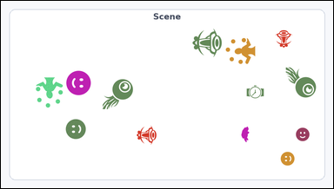 | 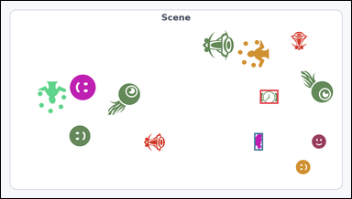 | task_icons_counting_singleton_type | singleton_type_count | Work from the image with a single Scene panel filled with icons. Task: How many icons are of a type that appears exactly once in the image? Return a valid JSON object with keys "evidence" and "answer" in that order. Evidence format: set "evidence" to a JSON array of [x_min, y_min, x_max, y_max] boxes in image pixel coordinates for all singleton-type icons in the image, sorted from top to bottom and then left to right. Answer requirement: set "answer" to the count as an integer. Example JSON: {"evidence":[[116,128,176,188],[634,302,704,372]],"answer":2} | Work from the image with a single Scene panel filled with icons. Task: How many icons are of a type that appears exactly once in the image? Return a valid JSON object with key "answer". Answer rule: set "answer" to the count as an integer. Example JSON: {"answer":2} | {"evidence": [[710, 245, 760, 283], [694, 364, 718, 412]], "answer": 2} | [[710, 245, 760, 283], [694, 364, 718, 412]] | integer | bbox_set | 6.0098963253E+15 | icons/task_icons_counting_singleton_type/images/default/0000.png | icons/task_icons_counting_singleton_type/data/default/0000.json
 |  | task_icons_counting_singleton_type | singleton_type_count | Use the image containing a single Scene panel filled with icons. Answer this question: How many icons are of a type that appears exactly once in the image? Return a valid JSON object with keys "evidence" and "answer" in that order. Evidence requirement: set "evidence" to a JSON array of [x_min, y_min, x_max, y_max] boxes in image pixel coordinates for all singleton-type icons in the image, sorted from top to bottom and then left to right. Answer format: set "answer" to the count as an integer. Example JSON: {"evidence":[[116,128,176,188],[634,302,704,372]],"answer":2} | Use the image containing a single Scene panel filled with icons. Answer this question: How many icons are of a type that appears exactly once in the image? Return a valid JSON object with key "answer". Answer: set "answer" to the count as an integer. Example JSON: {"answer":2} | {"evidence": [], "answer": 0} | [] | integer | bbox_set | 6.7570064638E+15 | icons/task_icons_counting_singleton_type/images/default/0008.png | icons/task_icons_counting_singleton_type/data/default/0008.json
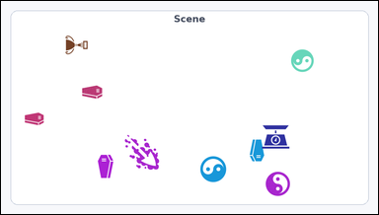 |  | task_icons_counting_singleton_type | singleton_type_count | Work from the image with a single Scene panel filled with icons. Answer this question: How many icons are of a type that appears exactly once in the image? Return a valid JSON object with keys "evidence" and "answer" in that order. Evidence field: set "evidence" to a JSON array of [x_min, y_min, x_max, y_max] boxes in image pixel coordinates for all singleton-type icons in the image, sorted from top to bottom and then left to right. Answer field: set "answer" to the count as an integer. Example JSON: {"evidence":[[116,128,176,188],[634,302,704,372]],"answer":2} | Work from the image with a single Scene panel filled with icons. Answer this question: How many icons are of a type that appears exactly once in the image? Return a valid JSON object with key "answer". Answer: set "answer" to the count as an integer. Example JSON: {"answer":2} | {"evidence": [[164, 88, 221, 137], [664, 317, 735, 377], [315, 342, 403, 431]], "answer": 3} | [[164, 88, 221, 137], [664, 317, 735, 377], [315, 342, 403, 431]] | integer | bbox_set | 7.0421959547E+15 | icons/task_icons_counting_singleton_type/images/default/0013.png | icons/task_icons_counting_singleton_type/data/default/0013.json
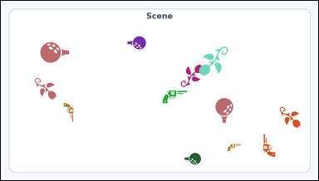 |  | task_icons_counting_singleton_type | singleton_type_count | The image shows a single Scene panel filled with icons. Determine the answer: How many icons are of a type that appears exactly once in the image? Return a valid JSON object with keys "evidence" and "answer" in that order. Evidence rule: set "evidence" to a JSON array of [x_min, y_min, x_max, y_max] boxes in image pixel coordinates for all singleton-type icons in the image, sorted from top to bottom and then left to right. Answer rule: set "answer" to the count as an integer. Example JSON: {"evidence":[[116,128,176,188],[634,302,704,372]],"answer":2} | The image shows a single Scene panel filled with icons. Determine the answer: How many icons are of a type that appears exactly once in the image? Return a valid JSON object with key "answer". Answer: set "answer" to the count as an integer. Example JSON: {"answer":2} | {"evidence": [], "answer": 0} | [] | integer | bbox_set | 7.4960750673E+15 | icons/task_icons_counting_singleton_type/images/default/0024.png | icons/task_icons_counting_singleton_type/data/default/0024.json
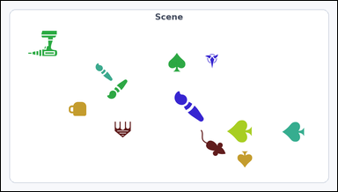 | 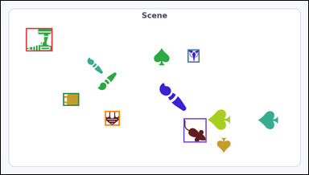 | task_icons_counting_singleton_type | singleton_type_count | You are given an image with a single Scene panel filled with icons. Determine the answer: How many icons are of a type that appears exactly once in the image? Return a valid JSON object with keys "evidence" and "answer" in that order. Evidence rule: set "evidence" to a JSON array of [x_min, y_min, x_max, y_max] boxes in image pixel coordinates for all singleton-type icons in the image, sorted from top to bottom and then left to right. Answer rule: set "answer" to the count as an integer. Example JSON: {"evidence":[[116,128,176,188],[634,302,704,372]],"answer":2} | You are given an image with a single Scene panel filled with icons. Determine the answer: How many icons are of a type that appears exactly once in the image? Return a valid JSON object with key "answer". Answer field: set "answer" to the count as an integer. Example JSON: {"answer":2} | {"evidence": [[78, 85, 161, 158], [583, 152, 620, 193], [194, 289, 244, 329], [325, 345, 371, 391], [570, 368, 642, 444]], "answer": 5} | [[78, 85, 161, 158], [583, 152, 620, 193], [194, 289, 244, 329], [325, 345, 371, 391], [570, 368, 642, 444]] | integer | bbox_set | 8.2803868943E+15 | icons/task_icons_counting_singleton_type/images/default/0005.png | icons/task_icons_counting_singleton_type/data/default/0005.json
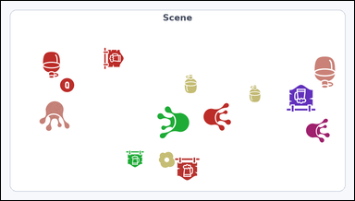 | 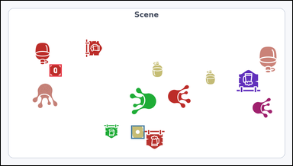 | task_icons_counting_singleton_type | singleton_type_count | Use the image containing a single Scene panel filled with icons. Question: How many icons are of a type that appears exactly once in the image? Return a valid JSON object with keys "evidence" and "answer" in that order. Evidence requirement: set "evidence" to a JSON array of [x_min, y_min, x_max, y_max] boxes in image pixel coordinates for all singleton-type icons in the image, sorted from top to bottom and then left to right. Answer format: set "answer" to the count as an integer. Example JSON: {"evidence":[[116,128,176,188],[634,302,704,372]],"answer":2} | Use the image containing a single Scene panel filled with icons. Question: How many icons are of a type that appears exactly once in the image? Return a valid JSON object with key "answer". Answer rule: set "answer" to the count as an integer. Example JSON: {"answer":2} | {"evidence": [[160, 210, 200, 250], [429, 412, 473, 456]], "answer": 2} | [[160, 210, 200, 250], [429, 412, 473, 456]] | integer | bbox_set | 8.3558464727E+15 | icons/task_icons_counting_singleton_type/images/default/0009.png | icons/task_icons_counting_singleton_type/data/default/0009.json
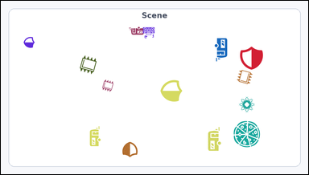 | 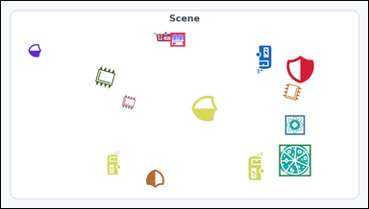 | task_icons_counting_singleton_type | singleton_type_count | Look at the image with a single Scene panel filled with icons. Answer this question: How many icons are of a type that appears exactly once in the image? Return a valid JSON object with keys "evidence" and "answer" in that order. Evidence requirement: set "evidence" to a JSON array of [x_min, y_min, x_max, y_max] boxes in image pixel coordinates for all singleton-type icons in the image, sorted from top to bottom and then left to right. Answer format: set "answer" to the count as an integer. Example JSON: {"evidence":[[116,128,176,188],[634,302,704,372]],"answer":2} | Look at the image with a single Scene panel filled with icons. Answer this question: How many icons are of a type that appears exactly once in the image? Return a valid JSON object with key "answer". Answer: set "answer" to the count as an integer. Example JSON: {"answer":2} | {"evidence": [[443, 83, 481, 119], [743, 300, 794, 351], [727, 377, 810, 460]], "answer": 3} | [[443, 83, 481, 119], [743, 300, 794, 351], [727, 377, 810, 460]] | integer | bbox_set | 8.4909151919E+15 | icons/task_icons_counting_singleton_type/images/default/0017.png | icons/task_icons_counting_singleton_type/data/default/0017.json
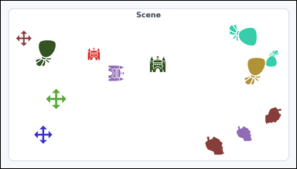 |  | task_icons_counting_singleton_type | singleton_type_count | You are given an image with a single Scene panel filled with icons. How many icons are of a type that appears exactly once in the image? Return a valid JSON object with keys "evidence" and "answer" in that order. Evidence rule: set "evidence" to a JSON array of [x_min, y_min, x_max, y_max] boxes in image pixel coordinates for all singleton-type icons in the image, sorted from top to bottom and then left to right. Answer rule: set "answer" to the count as an integer. Example JSON: {"evidence":[[116,128,176,188],[634,302,704,372]],"answer":2} | You are given an image with a single Scene panel filled with icons. How many icons are of a type that appears exactly once in the image? Return a valid JSON object with key "answer". Answer field: set "answer" to the count as an integer. Example JSON: {"answer":2} | {"evidence": [], "answer": 0} | [] | integer | bbox_set | 8.6334177656E+15 | icons/task_icons_counting_singleton_type/images/default/0003.png | icons/task_icons_counting_singleton_type/data/default/0003.json
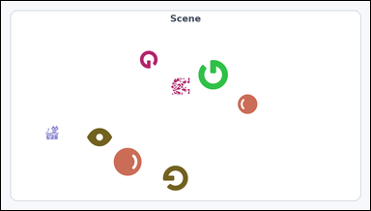 | 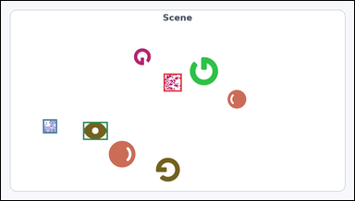 | task_icons_counting_singleton_type | singleton_type_count | Work from the image with a single Scene panel filled with icons. How many icons are of a type that appears exactly once in the image? Return a valid JSON object with keys "evidence" and "answer" in that order. Evidence requirement: set "evidence" to a JSON array of [x_min, y_min, x_max, y_max] boxes in image pixel coordinates for all singleton-type icons in the image, sorted from top to bottom and then left to right. Answer format: set "answer" to the count as an integer. Example JSON: {"evidence":[[116,128,176,188],[634,302,704,372]],"answer":2} | Work from the image with a single Scene panel filled with icons. How many icons are of a type that appears exactly once in the image? Return a valid JSON object with key "answer". Answer rule: set "answer" to the count as an integer. Example JSON: {"answer":2} | {"evidence": [[442, 198, 491, 247], [114, 323, 152, 361], [223, 330, 290, 379]], "answer": 3} | [[442, 198, 491, 247], [114, 323, 152, 361], [223, 330, 290, 379]] | integer | bbox_set | 8.8094773305E+15 | icons/task_icons_counting_singleton_type/images/default/0010.png | icons/task_icons_counting_singleton_type/data/default/0010.json

