size_larger
image | evidence_image | task | task_variant | prompt | prompt_answer_only | answer | answer_evidence | answer_type | evidence_type | instance_seed | image_path | data_path
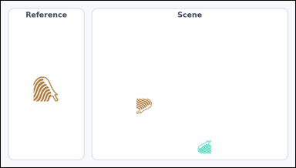 |  | task_icons_counting_size_relation | size_larger | Work from the image with a Reference icon on the left and a Scene panel of icons on the right. Determine the answer: How many icons in the Scene panel are larger than the Reference icon? Return a valid JSON object with keys "evidence" and "answer" in that order. Evidence field: set "evidence" to a JSON array of [x_min, y_min, x_max, y_max] boxes in image pixel coordinates for all matching icons in the Scene panel, sorted from top to bottom and then left to right. Answer field: set "answer" to the count as an integer. Example JSON: {"evidence":[[318,148,370,200],[572,322,632,382]],"answer":2} | Work from the image with a Reference icon on the left and a Scene panel of icons on the right. Determine the answer: How many icons in the Scene panel are larger than the Reference icon? Return a valid JSON object with key "answer". Answer field: set "answer" to the count as an integer. Example JSON: {"answer":2} | {"evidence": [], "answer": 0} | [] | integer | bbox_set | 9932316089697 | icons/task_icons_counting_size_relation/images/size_larger/0017.png | icons/task_icons_counting_size_relation/data/size_larger/0017.json
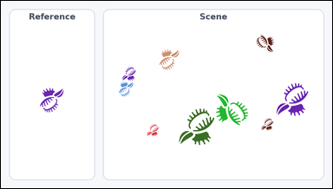 | 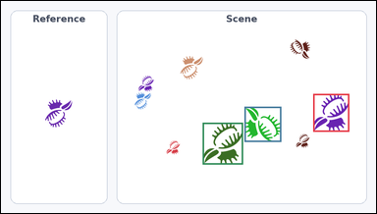 | task_icons_counting_size_relation | size_larger | The image shows a Reference icon on the left and a Scene panel of icons on the right. Task: How many icons in the Scene panel are larger than the Reference icon? Return a valid JSON object with keys "evidence" and "answer" in that order. Evidence format: set "evidence" to a JSON array of [x_min, y_min, x_max, y_max] boxes in image pixel coordinates for all matching icons in the Scene panel, sorted from top to bottom and then left to right. Answer requirement: set "answer" to the count as an integer. Example JSON: {"evidence":[[318,148,370,200],[572,322,632,382]],"answer":2} | The image shows a Reference icon on the left and a Scene panel of icons on the right. Task: How many icons in the Scene panel are larger than the Reference icon? Return a valid JSON object with key "answer". Answer requirement: set "answer" to the count as an integer. Example JSON: {"answer":2} | {"evidence": [[799, 238, 891, 335], [623, 271, 717, 361], [516, 312, 619, 419]], "answer": 3} | [[799, 238, 891, 335], [623, 271, 717, 361], [516, 312, 619, 419]] | integer | bbox_set | 739221323376629 | icons/task_icons_counting_size_relation/images/size_larger/0004.png | icons/task_icons_counting_size_relation/data/size_larger/0004.json
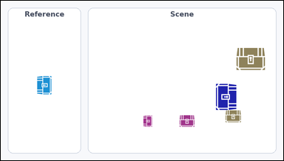 | 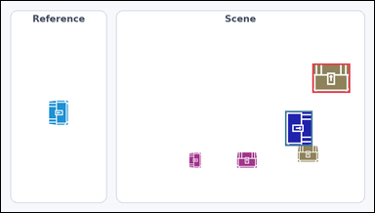 | task_icons_counting_size_relation | size_larger | Work from the image with a Reference icon on the left and a Scene panel of icons on the right. Answer this question: How many icons in the Scene panel are larger than the Reference icon? Return a valid JSON object with keys "evidence" and "answer" in that order. Evidence field: set "evidence" to a JSON array of [x_min, y_min, x_max, y_max] boxes in image pixel coordinates for all matching icons in the Scene panel, sorted from top to bottom and then left to right. Answer field: set "answer" to the count as an integer. Example JSON: {"evidence":[[318,148,370,200],[572,322,632,382]],"answer":2} | Work from the image with a Reference icon on the left and a Scene panel of icons on the right. Answer this question: How many icons in the Scene panel are larger than the Reference icon? Return a valid JSON object with key "answer". Answer rule: set "answer" to the count as an integer. Example JSON: {"answer":2} | {"evidence": [[801, 161, 898, 236], [731, 283, 801, 373]], "answer": 2} | [[801, 161, 898, 236], [731, 283, 801, 373]] | integer | bbox_set | 1.0069453522E+15 | icons/task_icons_counting_size_relation/images/size_larger/0008.png | icons/task_icons_counting_size_relation/data/size_larger/0008.json
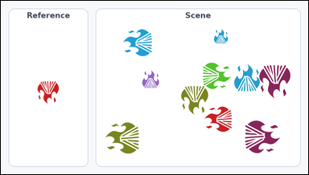 | 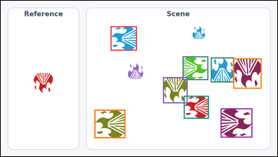 | task_icons_counting_size_relation | size_larger | Work from the image with a Reference icon on the left and a Scene panel of icons on the right. Question: How many icons in the Scene panel are larger than the Reference icon? Return a valid JSON object with keys "evidence" and "answer" in that order. Evidence: set "evidence" to a JSON array of [x_min, y_min, x_max, y_max] boxes in image pixel coordinates for all matching icons in the Scene panel, sorted from top to bottom and then left to right. Answer: set "answer" to the count as an integer. Example JSON: {"evidence":[[318,148,370,200],[572,322,632,382]],"answer":2} | Work from the image with a Reference icon on the left and a Scene panel of icons on the right. Question: How many icons in the Scene panel are larger than the Reference icon? Return a valid JSON object with key "answer". Answer requirement: set "answer" to the count as an integer. Example JSON: {"answer":2} | {"evidence": [[381, 89, 472, 174], [631, 194, 720, 277], [729, 198, 809, 285], [807, 201, 905, 307], [563, 267, 648, 358], [635, 332, 722, 412], [763, 376, 873, 478], [325, 381, 432, 480]], "answer": 8} | [[381, 89, 472, 174], [631, 194, 720, 277], [729, 198, 809, 285], [807, 201, 905, 307], [563, 267, 648, 358], [635, 332, 722, 412], [763, 376, 873, 478], [325, 381, 432, 480]] | integer | bbox_set | 1.2404206706E+15 | icons/task_icons_counting_size_relation/images/size_larger/0023.png | icons/task_icons_counting_size_relation/data/size_larger/0023.json
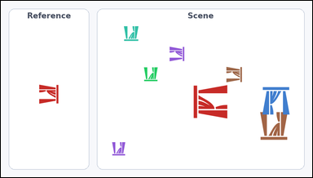 | 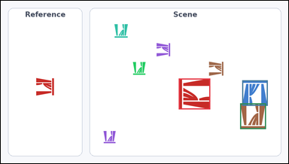 | task_icons_counting_size_relation | size_larger | Work from the image with a Reference icon on the left and a Scene panel of icons on the right. How many icons in the Scene panel are larger than the Reference icon? Return a valid JSON object with keys "evidence" and "answer" in that order. Evidence requirement: set "evidence" to a JSON array of [x_min, y_min, x_max, y_max] boxes in image pixel coordinates for all matching icons in the Scene panel, sorted from top to bottom and then left to right. Answer format: set "answer" to the count as an integer. Example JSON: {"evidence":[[318,148,370,200],[572,322,632,382]],"answer":2} | Work from the image with a Reference icon on the left and a Scene panel of icons on the right. How many icons in the Scene panel are larger than the Reference icon? Return a valid JSON object with key "answer". Answer rule: set "answer" to the count as an integer. Example JSON: {"answer":2} | {"evidence": [[594, 260, 699, 363], [806, 266, 891, 351], [799, 343, 885, 429]], "answer": 3} | [[594, 260, 699, 363], [806, 266, 891, 351], [799, 343, 885, 429]] | integer | bbox_set | 1.9362092123E+15 | icons/task_icons_counting_size_relation/images/size_larger/0000.png | icons/task_icons_counting_size_relation/data/size_larger/0000.json
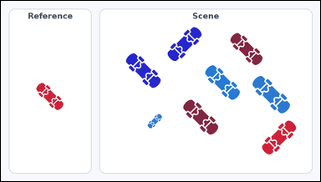 | 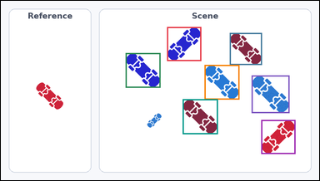 | task_icons_counting_size_relation | size_larger | Use the image containing a Reference icon on the left and a Scene panel of icons on the right. Task: How many icons in the Scene panel are larger than the Reference icon? Return a valid JSON object with keys "evidence" and "answer" in that order. Evidence: set "evidence" to a JSON array of [x_min, y_min, x_max, y_max] boxes in image pixel coordinates for all matching icons in the Scene panel, sorted from top to bottom and then left to right. Answer: set "answer" to the count as an integer. Example JSON: {"evidence":[[318,148,370,200],[572,322,632,382]],"answer":2} | Use the image containing a Reference icon on the left and a Scene panel of icons on the right. Task: How many icons in the Scene panel are larger than the Reference icon? Return a valid JSON object with key "answer". Answer field: set "answer" to the count as an integer. Example JSON: {"answer":2} | {"evidence": [[501, 79, 604, 182], [690, 97, 787, 194], [376, 158, 481, 263], [614, 194, 719, 299], [756, 226, 870, 340], [548, 298, 654, 404], [785, 361, 888, 464]], "answer": 7} | [[501, 79, 604, 182], [690, 97, 787, 194], [376, 158, 481, 263], [614, 194, 719, 299], [756, 226, 870, 340], [548, 298, 654, 404], [785, 361, 888, 464]] | integer | bbox_set | 2.3411838319E+15 | icons/task_icons_counting_size_relation/images/size_larger/0014.png | icons/task_icons_counting_size_relation/data/size_larger/0014.json
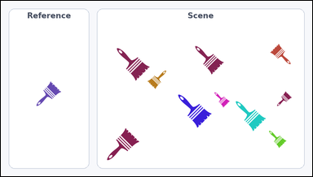 | 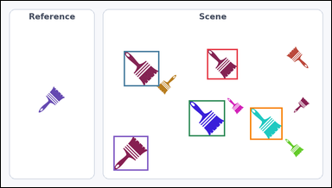 | task_icons_counting_size_relation | size_larger | The image shows a Reference icon on the left and a Scene panel of icons on the right. Question: How many icons in the Scene panel are larger than the Reference icon? Return a valid JSON object with keys "evidence" and "answer" in that order. Evidence requirement: set "evidence" to a JSON array of [x_min, y_min, x_max, y_max] boxes in image pixel coordinates for all matching icons in the Scene panel, sorted from top to bottom and then left to right. Answer format: set "answer" to the count as an integer. Example JSON: {"evidence":[[318,148,370,200],[572,322,632,382]],"answer":2} | The image shows a Reference icon on the left and a Scene panel of icons on the right. Question: How many icons in the Scene panel are larger than the Reference icon? Return a valid JSON object with key "answer". Answer field: set "answer" to the count as an integer. Example JSON: {"answer":2} | {"evidence": [[599, 140, 688, 229], [357, 146, 460, 249], [546, 290, 651, 395], [724, 311, 818, 405], [327, 394, 428, 495]], "answer": 5} | [[599, 140, 688, 229], [357, 146, 460, 249], [546, 290, 651, 395], [724, 311, 818, 405], [327, 394, 428, 495]] | integer | bbox_set | 2.5864850853E+15 | icons/task_icons_counting_size_relation/images/size_larger/0018.png | icons/task_icons_counting_size_relation/data/size_larger/0018.json
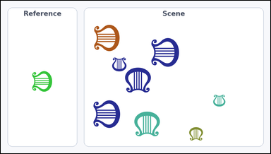 | 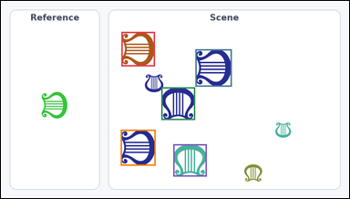 | task_icons_counting_size_relation | size_larger | You are given an image with a Reference icon on the left and a Scene panel of icons on the right. How many icons in the Scene panel are larger than the Reference icon? Return a valid JSON object with keys "evidence" and "answer" in that order. Evidence format: set "evidence" to a JSON array of [x_min, y_min, x_max, y_max] boxes in image pixel coordinates for all matching icons in the Scene panel, sorted from top to bottom and then left to right. Answer requirement: set "answer" to the count as an integer. Example JSON: {"evidence":[[318,148,370,200],[572,322,632,382]],"answer":2} | You are given an image with a Reference icon on the left and a Scene panel of icons on the right. How many icons in the Scene panel are larger than the Reference icon? Return a valid JSON object with key "answer". Answer: set "answer" to the count as an integer. Example JSON: {"answer":2} | {"evidence": [[332, 85, 424, 180], [536, 133, 636, 236], [442, 238, 535, 328], [330, 355, 426, 454], [475, 395, 567, 484]], "answer": 5} | [[332, 85, 424, 180], [536, 133, 636, 236], [442, 238, 535, 328], [330, 355, 426, 454], [475, 395, 567, 484]] | integer | bbox_set | 2.8564826391E+15 | icons/task_icons_counting_size_relation/images/size_larger/0003.png | icons/task_icons_counting_size_relation/data/size_larger/0003.json
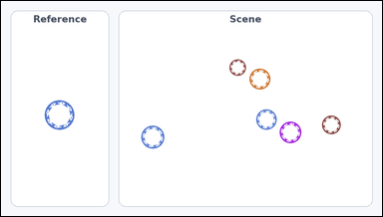 |  | task_icons_counting_size_relation | size_larger | You are given an image with a Reference icon on the left and a Scene panel of icons on the right. Question: How many icons in the Scene panel are larger than the Reference icon? Return a valid JSON object with keys "evidence" and "answer" in that order. Evidence: set "evidence" to a JSON array of [x_min, y_min, x_max, y_max] boxes in image pixel coordinates for all matching icons in the Scene panel, sorted from top to bottom and then left to right. Answer: set "answer" to the count as an integer. Example JSON: {"evidence":[[318,148,370,200],[572,322,632,382]],"answer":2} | You are given an image with a Reference icon on the left and a Scene panel of icons on the right. Question: How many icons in the Scene panel are larger than the Reference icon? Return a valid JSON object with key "answer". Answer: set "answer" to the count as an integer. Example JSON: {"answer":2} | {"evidence": [], "answer": 0} | [] | integer | bbox_set | 3.1741137358E+15 | icons/task_icons_counting_size_relation/images/size_larger/0024.png | icons/task_icons_counting_size_relation/data/size_larger/0024.json
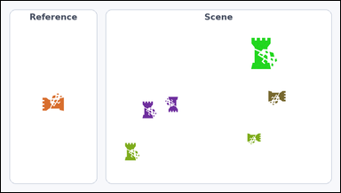 | 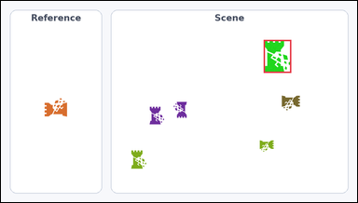 | task_icons_counting_size_relation | size_larger | Use the image containing a Reference icon on the left and a Scene panel of icons on the right. Question: How many icons in the Scene panel are larger than the Reference icon? Return a valid JSON object with keys "evidence" and "answer" in that order. Evidence field: set "evidence" to a JSON array of [x_min, y_min, x_max, y_max] boxes in image pixel coordinates for all matching icons in the Scene panel, sorted from top to bottom and then left to right. Answer field: set "answer" to the count as an integer. Example JSON: {"evidence":[[318,148,370,200],[572,322,632,382]],"answer":2} | Use the image containing a Reference icon on the left and a Scene panel of icons on the right. Question: How many icons in the Scene panel are larger than the Reference icon? Return a valid JSON object with key "answer". Answer rule: set "answer" to the count as an integer. Example JSON: {"answer":2} | {"evidence": [[708, 105, 782, 194]], "answer": 1} | [[708, 105, 782, 194]] | integer | bbox_set | 3.7742583433E+15 | icons/task_icons_counting_size_relation/images/size_larger/0021.png | icons/task_icons_counting_size_relation/data/size_larger/0021.json
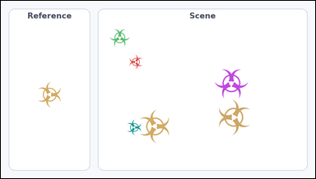 | 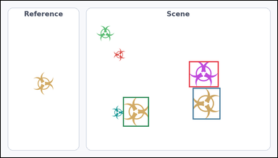 | task_icons_counting_size_relation | size_larger | Look at the image with a Reference icon on the left and a Scene panel of icons on the right. Determine the answer: How many icons in the Scene panel are larger than the Reference icon? Return a valid JSON object with keys "evidence" and "answer" in that order. Evidence requirement: set "evidence" to a JSON array of [x_min, y_min, x_max, y_max] boxes in image pixel coordinates for all matching icons in the Scene panel, sorted from top to bottom and then left to right. Answer format: set "answer" to the count as an integer. Example JSON: {"evidence":[[318,148,370,200],[572,322,632,382]],"answer":2} | Look at the image with a Reference icon on the left and a Scene panel of icons on the right. Determine the answer: How many icons in the Scene panel are larger than the Reference icon? Return a valid JSON object with key "answer". Answer field: set "answer" to the count as an integer. Example JSON: {"answer":2} | {"evidence": [[653, 210, 756, 300], [666, 302, 762, 412], [424, 334, 514, 437]], "answer": 3} | [[653, 210, 756, 300], [666, 302, 762, 412], [424, 334, 514, 437]] | integer | bbox_set | 3.8549246059E+15 | icons/task_icons_counting_size_relation/images/size_larger/0012.png | icons/task_icons_counting_size_relation/data/size_larger/0012.json
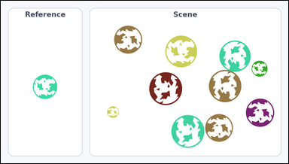 | 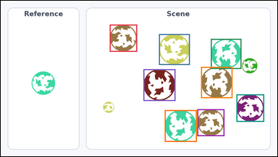 | task_icons_counting_size_relation | size_larger | Use the image containing a Reference icon on the left and a Scene panel of icons on the right. Task: How many icons in the Scene panel are larger than the Reference icon? Return a valid JSON object with keys "evidence" and "answer" in that order. Evidence rule: set "evidence" to a JSON array of [x_min, y_min, x_max, y_max] boxes in image pixel coordinates for all matching icons in the Scene panel, sorted from top to bottom and then left to right. Answer rule: set "answer" to the count as an integer. Example JSON: {"evidence":[[318,148,370,200],[572,322,632,382]],"answer":2} | Use the image containing a Reference icon on the left and a Scene panel of icons on the right. Task: How many icons in the Scene panel are larger than the Reference icon? Return a valid JSON object with key "answer". Answer format: set "answer" to the count as an integer. Example JSON: {"answer":2} | {"evidence": [[378, 83, 473, 178], [549, 116, 656, 224], [729, 133, 835, 238], [695, 231, 804, 340], [495, 239, 606, 350], [818, 327, 914, 423], [682, 379, 776, 473], [569, 382, 680, 493]], "answer": 8} | [[378, 83, 473, 178], [549, 116, 656, 224], [729, 133, 835, 238], [695, 231, 804, 340], [495, 239, 606, 350], [818, 327, 914, 423], [682, 379, 776, 473], [569, 382, 680, 493]] | integer | bbox_set | 3.8811484249E+15 | icons/task_icons_counting_size_relation/images/size_larger/0010.png | icons/task_icons_counting_size_relation/data/size_larger/0010.json
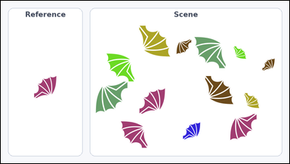 | 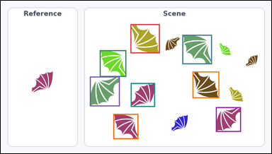 | task_icons_counting_size_relation | size_larger | You are given an image with a Reference icon on the left and a Scene panel of icons on the right. Answer this question: How many icons in the Scene panel are larger than the Reference icon? Return a valid JSON object with keys "evidence" and "answer" in that order. Evidence requirement: set "evidence" to a JSON array of [x_min, y_min, x_max, y_max] boxes in image pixel coordinates for all matching icons in the Scene panel, sorted from top to bottom and then left to right. Answer format: set "answer" to the count as an integer. Example JSON: {"evidence":[[318,148,370,200],[572,322,632,382]],"answer":2} | You are given an image with a Reference icon on the left and a Scene panel of icons on the right. Answer this question: How many icons in the Scene panel are larger than the Reference icon? Return a valid JSON object with key "answer". Answer field: set "answer" to the count as an integer. Example JSON: {"answer":2} | {"evidence": [[460, 83, 564, 187], [644, 121, 749, 226], [351, 176, 445, 271], [680, 252, 775, 347], [316, 270, 422, 376], [461, 293, 547, 378], [763, 379, 852, 467], [399, 403, 488, 493]], "answer": 8} | [[460, 83, 564, 187], [644, 121, 749, 226], [351, 176, 445, 271], [680, 252, 775, 347], [316, 270, 422, 376], [461, 293, 547, 378], [763, 379, 852, 467], [399, 403, 488, 493]] | integer | bbox_set | 4.3105854249E+15 | icons/task_icons_counting_size_relation/images/size_larger/0013.png | icons/task_icons_counting_size_relation/data/size_larger/0013.json
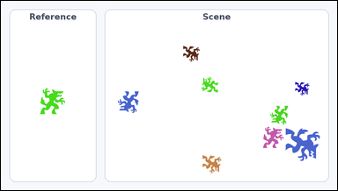 | 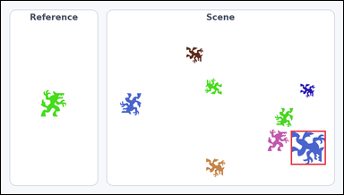 | task_icons_counting_size_relation | size_larger | You are given an image with a Reference icon on the left and a Scene panel of icons on the right. Determine the answer: How many icons in the Scene panel are larger than the Reference icon? Return a valid JSON object with keys "evidence" and "answer" in that order. Evidence: set "evidence" to a JSON array of [x_min, y_min, x_max, y_max] boxes in image pixel coordinates for all matching icons in the Scene panel, sorted from top to bottom and then left to right. Answer: set "answer" to the count as an integer. Example JSON: {"evidence":[[318,148,370,200],[572,322,632,382]],"answer":2} | You are given an image with a Reference icon on the left and a Scene panel of icons on the right. Determine the answer: How many icons in the Scene panel are larger than the Reference icon? Return a valid JSON object with key "answer". Answer rule: set "answer" to the count as an integer. Example JSON: {"answer":2} | {"evidence": [[813, 365, 911, 461]], "answer": 1} | [[813, 365, 911, 461]] | integer | bbox_set | 5.0300526821E+15 | icons/task_icons_counting_size_relation/images/size_larger/0007.png | icons/task_icons_counting_size_relation/data/size_larger/0007.json
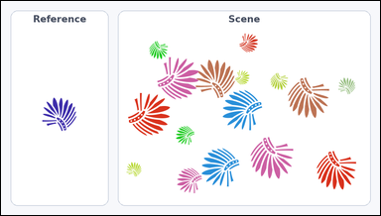 | 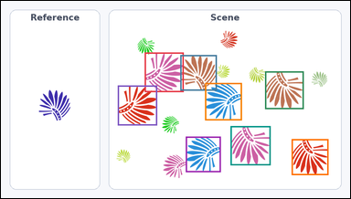 | task_icons_counting_size_relation | size_larger | Use the image containing a Reference icon on the left and a Scene panel of icons on the right. Task: How many icons in the Scene panel are larger than the Reference icon? Return a valid JSON object with keys "evidence" and "answer" in that order. Evidence: set "evidence" to a JSON array of [x_min, y_min, x_max, y_max] boxes in image pixel coordinates for all matching icons in the Scene panel, sorted from top to bottom and then left to right. Answer: set "answer" to the count as an integer. Example JSON: {"evidence":[[318,148,370,200],[572,322,632,382]],"answer":2} | Use the image containing a Reference icon on the left and a Scene panel of icons on the right. Task: How many icons in the Scene panel are larger than the Reference icon? Return a valid JSON object with key "answer". Answer field: set "answer" to the count as an integer. Example JSON: {"answer":2} | {"evidence": [[395, 142, 502, 251], [493, 149, 593, 247], [726, 194, 832, 298], [561, 226, 662, 329], [321, 233, 429, 343], [631, 345, 741, 453], [508, 374, 604, 472], [799, 381, 900, 480]], "answer": 8} | [[395, 142, 502, 251], [493, 149, 593, 247], [726, 194, 832, 298], [561, 226, 662, 329], [321, 233, 429, 343], [631, 345, 741, 453], [508, 374, 604, 472], [799, 381, 900, 480]] | integer | bbox_set | 5.0348277846E+15 | icons/task_icons_counting_size_relation/images/size_larger/0001.png | icons/task_icons_counting_size_relation/data/size_larger/0001.json
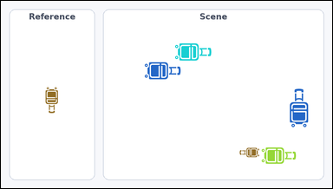 | 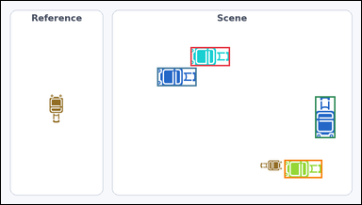 | task_icons_counting_size_relation | size_larger | Look at the image with a Reference icon on the left and a Scene panel of icons on the right. Answer this question: How many icons in the Scene panel are larger than the Reference icon? Return a valid JSON object with keys "evidence" and "answer" in that order. Evidence requirement: set "evidence" to a JSON array of [x_min, y_min, x_max, y_max] boxes in image pixel coordinates for all matching icons in the Scene panel, sorted from top to bottom and then left to right. Answer format: set "answer" to the count as an integer. Example JSON: {"evidence":[[318,148,370,200],[572,322,632,382]],"answer":2} | Look at the image with a Reference icon on the left and a Scene panel of icons on the right. Answer this question: How many icons in the Scene panel are larger than the Reference icon? Return a valid JSON object with key "answer". Answer: set "answer" to the count as an integer. Example JSON: {"answer":2} | {"evidence": [[505, 123, 610, 174], [416, 178, 521, 228], [837, 255, 891, 367], [755, 425, 856, 474]], "answer": 4} | [[505, 123, 610, 174], [416, 178, 521, 228], [837, 255, 891, 367], [755, 425, 856, 474]] | integer | bbox_set | 5.1035543757E+15 | icons/task_icons_counting_size_relation/images/size_larger/0016.png | icons/task_icons_counting_size_relation/data/size_larger/0016.json
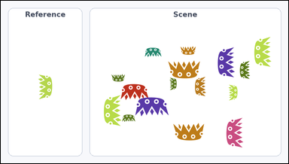 | 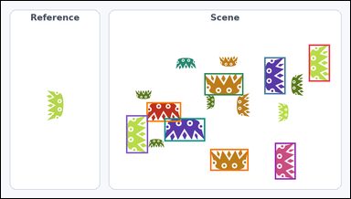 | task_icons_counting_size_relation | size_larger | Work from the image with a Reference icon on the left and a Scene panel of icons on the right. Task: How many icons in the Scene panel are larger than the Reference icon? Return a valid JSON object with keys "evidence" and "answer" in that order. Evidence: set "evidence" to a JSON array of [x_min, y_min, x_max, y_max] boxes in image pixel coordinates for all matching icons in the Scene panel, sorted from top to bottom and then left to right. Answer: set "answer" to the count as an integer. Example JSON: {"evidence":[[318,148,370,200],[572,322,632,382]],"answer":2} | Work from the image with a Reference icon on the left and a Scene panel of icons on the right. Task: How many icons in the Scene panel are larger than the Reference icon? Return a valid JSON object with key "answer". Answer requirement: set "answer" to the count as an integer. Example JSON: {"answer":2} | {"evidence": [[846, 120, 904, 222], [724, 155, 782, 257], [559, 199, 666, 260], [400, 279, 495, 333], [344, 315, 404, 420], [449, 323, 561, 387], [753, 391, 810, 492], [575, 408, 680, 468]], "answer": 8} | [[846, 120, 904, 222], [724, 155, 782, 257], [559, 199, 666, 260], [400, 279, 495, 333], [344, 315, 404, 420], [449, 323, 561, 387], [753, 391, 810, 492], [575, 408, 680, 468]] | integer | bbox_set | 6.4897180101E+15 | icons/task_icons_counting_size_relation/images/size_larger/0020.png | icons/task_icons_counting_size_relation/data/size_larger/0020.json
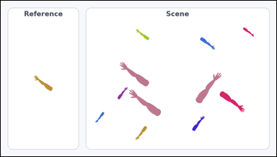 | 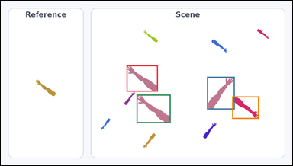 | task_icons_counting_size_relation | size_larger | You are given an image with a Reference icon on the left and a Scene panel of icons on the right. Determine the answer: How many icons in the Scene panel are larger than the Reference icon? Return a valid JSON object with keys "evidence" and "answer" in that order. Evidence: set "evidence" to a JSON array of [x_min, y_min, x_max, y_max] boxes in image pixel coordinates for all matching icons in the Scene panel, sorted from top to bottom and then left to right. Answer: set "answer" to the count as an integer. Example JSON: {"evidence":[[318,148,370,200],[572,322,632,382]],"answer":2} | You are given an image with a Reference icon on the left and a Scene panel of icons on the right. Determine the answer: How many icons in the Scene panel are larger than the Reference icon? Return a valid JSON object with key "answer". Answer rule: set "answer" to the count as an integer. Example JSON: {"answer":2} | {"evidence": [[414, 213, 517, 300], [679, 251, 770, 359], [447, 310, 559, 404], [762, 316, 850, 390]], "answer": 4} | [[414, 213, 517, 300], [679, 251, 770, 359], [447, 310, 559, 404], [762, 316, 850, 390]] | integer | bbox_set | 7.0804705439E+15 | icons/task_icons_counting_size_relation/images/size_larger/0006.png | icons/task_icons_counting_size_relation/data/size_larger/0006.json
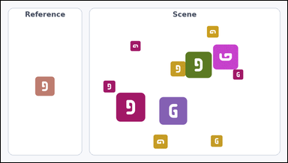 | 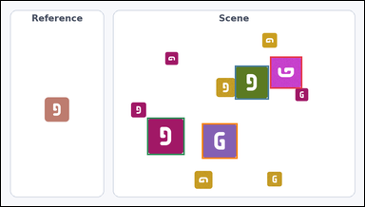 | task_icons_counting_size_relation | size_larger | Look at the image with a Reference icon on the left and a Scene panel of icons on the right. Determine the answer: How many icons in the Scene panel are larger than the Reference icon? Return a valid JSON object with keys "evidence" and "answer" in that order. Evidence format: set "evidence" to a JSON array of [x_min, y_min, x_max, y_max] boxes in image pixel coordinates for all matching icons in the Scene panel, sorted from top to bottom and then left to right. Answer requirement: set "answer" to the count as an integer. Example JSON: {"evidence":[[318,148,370,200],[572,322,632,382]],"answer":2} | Look at the image with a Reference icon on the left and a Scene panel of icons on the right. Determine the answer: How many icons in the Scene panel are larger than the Reference icon? Return a valid JSON object with key "answer". Answer rule: set "answer" to the count as an integer. Example JSON: {"answer":2} | {"evidence": [[711, 147, 796, 232], [618, 171, 708, 261], [386, 309, 485, 408], [531, 324, 625, 418]], "answer": 4} | [[711, 147, 796, 232], [618, 171, 708, 261], [386, 309, 485, 408], [531, 324, 625, 418]] | integer | bbox_set | 7.1808639901E+15 | icons/task_icons_counting_size_relation/images/size_larger/0019.png | icons/task_icons_counting_size_relation/data/size_larger/0019.json
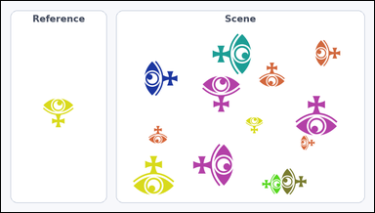 | 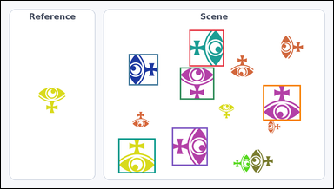 | task_icons_counting_size_relation | size_larger | Work from the image with a Reference icon on the left and a Scene panel of icons on the right. Question: How many icons in the Scene panel are larger than the Reference icon? Return a valid JSON object with keys "evidence" and "answer" in that order. Evidence rule: set "evidence" to a JSON array of [x_min, y_min, x_max, y_max] boxes in image pixel coordinates for all matching icons in the Scene panel, sorted from top to bottom and then left to right. Answer rule: set "answer" to the count as an integer. Example JSON: {"evidence":[[318,148,370,200],[572,322,632,382]],"answer":2} | Work from the image with a Reference icon on the left and a Scene panel of icons on the right. Question: How many icons in the Scene panel are larger than the Reference icon? Return a valid JSON object with key "answer". Answer requirement: set "answer" to the count as an integer. Example JSON: {"answer":2} | {"evidence": [[544, 84, 644, 190], [369, 154, 454, 245], [517, 193, 616, 286], [757, 244, 866, 347], [494, 368, 597, 478], [339, 399, 446, 500]], "answer": 6} | [[544, 84, 644, 190], [369, 154, 454, 245], [517, 193, 616, 286], [757, 244, 866, 347], [494, 368, 597, 478], [339, 399, 446, 500]] | integer | bbox_set | 7.3375262068E+15 | icons/task_icons_counting_size_relation/images/size_larger/0022.png | icons/task_icons_counting_size_relation/data/size_larger/0022.json
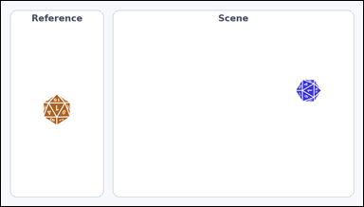 |  | task_icons_counting_size_relation | size_larger | You are given an image with a Reference icon on the left and a Scene panel of icons on the right. Task: How many icons in the Scene panel are larger than the Reference icon? Return a valid JSON object with keys "evidence" and "answer" in that order. Evidence format: set "evidence" to a JSON array of [x_min, y_min, x_max, y_max] boxes in image pixel coordinates for all matching icons in the Scene panel, sorted from top to bottom and then left to right. Answer requirement: set "answer" to the count as an integer. Example JSON: {"evidence":[[318,148,370,200],[572,322,632,382]],"answer":2} | You are given an image with a Reference icon on the left and a Scene panel of icons on the right. Task: How many icons in the Scene panel are larger than the Reference icon? Return a valid JSON object with key "answer". Answer requirement: set "answer" to the count as an integer. Example JSON: {"answer":2} | {"evidence": [], "answer": 0} | [] | integer | bbox_set | 7.6256831266E+15 | icons/task_icons_counting_size_relation/images/size_larger/0009.png | icons/task_icons_counting_size_relation/data/size_larger/0009.json
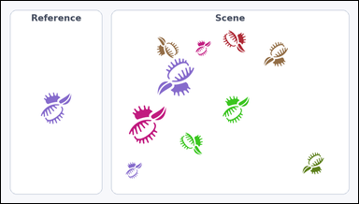 | 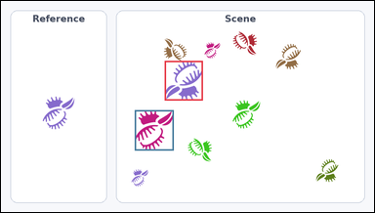 | task_icons_counting_size_relation | size_larger | Look at the image with a Reference icon on the left and a Scene panel of icons on the right. How many icons in the Scene panel are larger than the Reference icon? Return a valid JSON object with keys "evidence" and "answer" in that order. Evidence: set "evidence" to a JSON array of [x_min, y_min, x_max, y_max] boxes in image pixel coordinates for all matching icons in the Scene panel, sorted from top to bottom and then left to right. Answer: set "answer" to the count as an integer. Example JSON: {"evidence":[[318,148,370,200],[572,322,632,382]],"answer":2} | Look at the image with a Reference icon on the left and a Scene panel of icons on the right. How many icons in the Scene panel are larger than the Reference icon? Return a valid JSON object with key "answer". Answer format: set "answer" to the count as an integer. Example JSON: {"answer":2} | {"evidence": [[421, 154, 519, 256], [344, 281, 444, 385]], "answer": 2} | [[421, 154, 519, 256], [344, 281, 444, 385]] | integer | bbox_set | 7.91892854E+15 | icons/task_icons_counting_size_relation/images/size_larger/0005.png | icons/task_icons_counting_size_relation/data/size_larger/0005.json
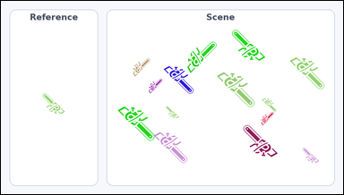 | 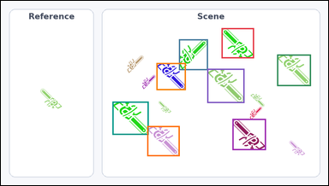 | task_icons_counting_size_relation | size_larger | The image shows a Reference icon on the left and a Scene panel of icons on the right. Determine the answer: How many icons in the Scene panel are larger than the Reference icon? Return a valid JSON object with keys "evidence" and "answer" in that order. Evidence requirement: set "evidence" to a JSON array of [x_min, y_min, x_max, y_max] boxes in image pixel coordinates for all matching icons in the Scene panel, sorted from top to bottom and then left to right. Answer format: set "answer" to the count as an integer. Example JSON: {"evidence":[[318,148,370,200],[572,322,632,382]],"answer":2} | The image shows a Reference icon on the left and a Scene panel of icons on the right. Determine the answer: How many icons in the Scene panel are larger than the Reference icon? Return a valid JSON object with key "answer". Answer requirement: set "answer" to the count as an integer. Example JSON: {"answer":2} | {"evidence": [[647, 80, 742, 169], [522, 113, 607, 204], [810, 158, 909, 251], [456, 183, 542, 263], [605, 200, 714, 301], [327, 297, 433, 395], [679, 348, 777, 440], [429, 369, 524, 458]], "answer": 8} | [[647, 80, 742, 169], [522, 113, 607, 204], [810, 158, 909, 251], [456, 183, 542, 263], [605, 200, 714, 301], [327, 297, 433, 395], [679, 348, 777, 440], [429, 369, 524, 458]] | integer | bbox_set | 8.7375517681E+15 | icons/task_icons_counting_size_relation/images/size_larger/0011.png | icons/task_icons_counting_size_relation/data/size_larger/0011.json
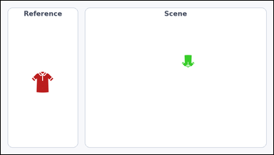 |  | task_icons_counting_size_relation | size_larger | Look at the image with a Reference icon on the left and a Scene panel of icons on the right. Determine the answer: How many icons in the Scene panel are larger than the Reference icon? Return a valid JSON object with keys "evidence" and "answer" in that order. Evidence requirement: set "evidence" to a JSON array of [x_min, y_min, x_max, y_max] boxes in image pixel coordinates for all matching icons in the Scene panel, sorted from top to bottom and then left to right. Answer format: set "answer" to the count as an integer. Example JSON: {"evidence":[[318,148,370,200],[572,322,632,382]],"answer":2} | Look at the image with a Reference icon on the left and a Scene panel of icons on the right. Determine the answer: How many icons in the Scene panel are larger than the Reference icon? Return a valid JSON object with key "answer". Answer requirement: set "answer" to the count as an integer. Example JSON: {"answer":2} | {"evidence": [], "answer": 0} | [] | integer | bbox_set | 8.7752566866E+15 | icons/task_icons_counting_size_relation/images/size_larger/0015.png | icons/task_icons_counting_size_relation/data/size_larger/0015.json
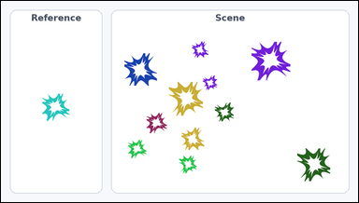 | 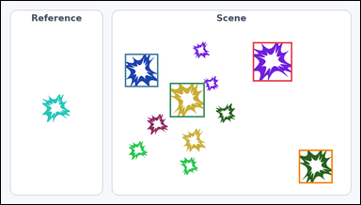 | task_icons_counting_size_relation | size_larger | Look at the image with a Reference icon on the left and a Scene panel of icons on the right. Question: How many icons in the Scene panel are larger than the Reference icon? Return a valid JSON object with keys "evidence" and "answer" in that order. Evidence format: set "evidence" to a JSON array of [x_min, y_min, x_max, y_max] boxes in image pixel coordinates for all matching icons in the Scene panel, sorted from top to bottom and then left to right. Answer requirement: set "answer" to the count as an integer. Example JSON: {"evidence":[[318,148,370,200],[572,322,632,382]],"answer":2} | Look at the image with a Reference icon on the left and a Scene panel of icons on the right. Question: How many icons in the Scene panel are larger than the Reference icon? Return a valid JSON object with key "answer". Answer requirement: set "answer" to the count as an integer. Example JSON: {"answer":2} | {"evidence": [[673, 110, 778, 215], [331, 141, 420, 230], [451, 219, 544, 311], [796, 398, 886, 488]], "answer": 4} | [[673, 110, 778, 215], [331, 141, 420, 230], [451, 219, 544, 311], [796, 398, 886, 488]] | integer | bbox_set | 8.9252792761E+15 | icons/task_icons_counting_size_relation/images/size_larger/0002.png | icons/task_icons_counting_size_relation/data/size_larger/0002.json

size_smaller
image | evidence_image | task | task_variant | prompt | prompt_answer_only | answer | answer_evidence | answer_type | evidence_type | instance_seed | image_path | data_path
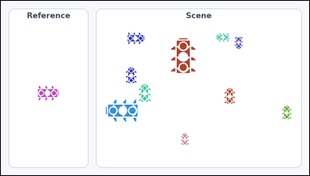 | 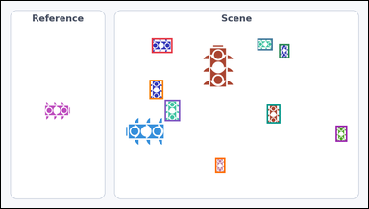 | task_icons_counting_size_relation | size_smaller | Look at the image with a Reference icon on the left and a Scene panel of icons on the right. Task: How many icons in the Scene panel are smaller than the Reference icon? Return a valid JSON object with keys "evidence" and "answer" in that order. Evidence rule: set "evidence" to a JSON array of [x_min, y_min, x_max, y_max] boxes in image pixel coordinates for all matching icons in the Scene panel, sorted from top to bottom and then left to right. Answer rule: set "answer" to the count as an integer. Example JSON: {"evidence":[[318,148,370,200],[572,322,632,382]],"answer":2} | Look at the image with a Reference icon on the left and a Scene panel of icons on the right. Task: How many icons in the Scene panel are smaller than the Reference icon? Return a valid JSON object with key "answer". Answer field: set "answer" to the count as an integer. Example JSON: {"answer":2} | {"evidence": [[394, 98, 448, 136], [670, 99, 710, 129], [727, 113, 754, 150], [388, 207, 424, 257], [428, 259, 468, 315], [695, 272, 730, 321], [875, 327, 905, 369], [560, 412, 586, 450]], "answer": 8} | [[394, 98, 448, 136], [670, 99, 710, 129], [727, 113, 754, 150], [388, 207, 424, 257], [428, 259, 468, 315], [695, 272, 730, 321], [875, 327, 905, 369], [560, 412, 586, 450]] | integer | bbox_set | 477583622415526 | icons/task_icons_counting_size_relation/images/size_smaller/0019.png | icons/task_icons_counting_size_relation/data/size_smaller/0019.json
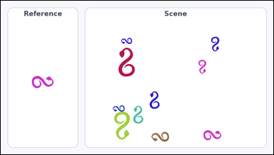 | 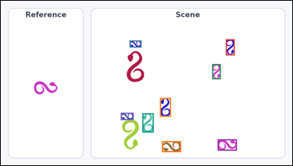 | task_icons_counting_size_relation | size_smaller | You are given an image with a Reference icon on the left and a Scene panel of icons on the right. Determine the answer: How many icons in the Scene panel are smaller than the Reference icon? Return a valid JSON object with keys "evidence" and "answer" in that order. Evidence format: set "evidence" to a JSON array of [x_min, y_min, x_max, y_max] boxes in image pixel coordinates for all matching icons in the Scene panel, sorted from top to bottom and then left to right. Answer requirement: set "answer" to the count as an integer. Example JSON: {"evidence":[[318,148,370,200],[572,322,632,382]],"answer":2} | You are given an image with a Reference icon on the left and a Scene panel of icons on the right. Determine the answer: How many icons in the Scene panel are smaller than the Reference icon? Return a valid JSON object with key "answer". Answer field: set "answer" to the count as an integer. Example JSON: {"answer":2} | {"evidence": [[741, 127, 770, 180], [424, 131, 463, 154], [696, 209, 724, 259], [524, 321, 560, 383], [395, 370, 437, 394], [466, 372, 503, 435], [714, 458, 777, 495], [531, 464, 593, 500]], "answer": 8} | [[741, 127, 770, 180], [424, 131, 463, 154], [696, 209, 724, 259], [524, 321, 560, 383], [395, 370, 437, 394], [466, 372, 503, 435], [714, 458, 777, 495], [531, 464, 593, 500]] | integer | bbox_set | 550905381713956 | icons/task_icons_counting_size_relation/images/size_smaller/0022.png | icons/task_icons_counting_size_relation/data/size_smaller/0022.json
 |  | task_icons_counting_size_relation | size_smaller | The image shows a Reference icon on the left and a Scene panel of icons on the right. Answer this question: How many icons in the Scene panel are smaller than the Reference icon? Return a valid JSON object with keys "evidence" and "answer" in that order. Evidence rule: set "evidence" to a JSON array of [x_min, y_min, x_max, y_max] boxes in image pixel coordinates for all matching icons in the Scene panel, sorted from top to bottom and then left to right. Answer rule: set "answer" to the count as an integer. Example JSON: {"evidence":[[318,148,370,200],[572,322,632,382]],"answer":2} | The image shows a Reference icon on the left and a Scene panel of icons on the right. Answer this question: How many icons in the Scene panel are smaller than the Reference icon? Return a valid JSON object with key "answer". Answer format: set "answer" to the count as an integer. Example JSON: {"answer":2} | {"evidence": [[682, 79, 730, 127], [344, 123, 389, 168]], "answer": 2} | [[682, 79, 730, 127], [344, 123, 389, 168]] | integer | bbox_set | 1.0555216172E+15 | icons/task_icons_counting_size_relation/images/size_smaller/0020.png | icons/task_icons_counting_size_relation/data/size_smaller/0020.json
 |  | task_icons_counting_size_relation | size_smaller | Look at the image with a Reference icon on the left and a Scene panel of icons on the right. Determine the answer: How many icons in the Scene panel are smaller than the Reference icon? Return a valid JSON object with keys "evidence" and "answer" in that order. Evidence format: set "evidence" to a JSON array of [x_min, y_min, x_max, y_max] boxes in image pixel coordinates for all matching icons in the Scene panel, sorted from top to bottom and then left to right. Answer requirement: set "answer" to the count as an integer. Example JSON: {"evidence":[[318,148,370,200],[572,322,632,382]],"answer":2} | Look at the image with a Reference icon on the left and a Scene panel of icons on the right. Determine the answer: How many icons in the Scene panel are smaller than the Reference icon? Return a valid JSON object with key "answer". Answer format: set "answer" to the count as an integer. Example JSON: {"answer":2} | {"evidence": [[437, 90, 467, 132], [340, 101, 372, 147], [335, 166, 374, 193], [618, 224, 681, 268]], "answer": 4} | [[437, 90, 467, 132], [340, 101, 372, 147], [335, 166, 374, 193], [618, 224, 681, 268]] | integer | bbox_set | 1.1676815965E+15 | icons/task_icons_counting_size_relation/images/size_smaller/0018.png | icons/task_icons_counting_size_relation/data/size_smaller/0018.json
 |  | task_icons_counting_size_relation | size_smaller | Use the image containing a Reference icon on the left and a Scene panel of icons on the right. How many icons in the Scene panel are smaller than the Reference icon? Return a valid JSON object with keys "evidence" and "answer" in that order. Evidence rule: set "evidence" to a JSON array of [x_min, y_min, x_max, y_max] boxes in image pixel coordinates for all matching icons in the Scene panel, sorted from top to bottom and then left to right. Answer rule: set "answer" to the count as an integer. Example JSON: {"evidence":[[318,148,370,200],[572,322,632,382]],"answer":2} | Use the image containing a Reference icon on the left and a Scene panel of icons on the right. How many icons in the Scene panel are smaller than the Reference icon? Return a valid JSON object with key "answer". Answer requirement: set "answer" to the count as an integer. Example JSON: {"answer":2} | {"evidence": [[624, 147, 671, 194], [578, 162, 619, 203], [419, 179, 468, 230], [654, 210, 699, 255], [820, 236, 868, 286], [528, 252, 571, 295], [747, 273, 792, 318], [844, 299, 888, 343]], "answer": 8} | [[624, 147, 671, 194], [578, 162, 619, 203], [419, 179, 468, 230], [654, 210, 699, 255], [820, 236, 868, 286], [528, 252, 571, 295], [747, 273, 792, 318], [844, 299, 888, 343]] | integer | bbox_set | 1.2906465655E+15 | icons/task_icons_counting_size_relation/images/size_smaller/0011.png | icons/task_icons_counting_size_relation/data/size_smaller/0011.json
 |  | task_icons_counting_size_relation | size_smaller | Look at the image with a Reference icon on the left and a Scene panel of icons on the right. Determine the answer: How many icons in the Scene panel are smaller than the Reference icon? Return a valid JSON object with keys "evidence" and "answer" in that order. Evidence requirement: set "evidence" to a JSON array of [x_min, y_min, x_max, y_max] boxes in image pixel coordinates for all matching icons in the Scene panel, sorted from top to bottom and then left to right. Answer format: set "answer" to the count as an integer. Example JSON: {"evidence":[[318,148,370,200],[572,322,632,382]],"answer":2} | Look at the image with a Reference icon on the left and a Scene panel of icons on the right. Determine the answer: How many icons in the Scene panel are smaller than the Reference icon? Return a valid JSON object with key "answer". Answer: set "answer" to the count as an integer. Example JSON: {"answer":2} | {"evidence": [[428, 170, 479, 220]], "answer": 1} | [[428, 170, 479, 220]] | integer | bbox_set | 1.5828438009E+15 | icons/task_icons_counting_size_relation/images/size_smaller/0003.png | icons/task_icons_counting_size_relation/data/size_smaller/0003.json
 |  | task_icons_counting_size_relation | size_smaller | The image shows a Reference icon on the left and a Scene panel of icons on the right. Task: How many icons in the Scene panel are smaller than the Reference icon? Return a valid JSON object with keys "evidence" and "answer" in that order. Evidence field: set "evidence" to a JSON array of [x_min, y_min, x_max, y_max] boxes in image pixel coordinates for all matching icons in the Scene panel, sorted from top to bottom and then left to right. Answer field: set "answer" to the count as an integer. Example JSON: {"evidence":[[318,148,370,200],[572,322,632,382]],"answer":2} | The image shows a Reference icon on the left and a Scene panel of icons on the right. Task: How many icons in the Scene panel are smaller than the Reference icon? Return a valid JSON object with key "answer". Answer field: set "answer" to the count as an integer. Example JSON: {"answer":2} | {"evidence": [[431, 126, 478, 169]], "answer": 1} | [[431, 126, 478, 169]] | integer | bbox_set | 1.5965387346E+15 | icons/task_icons_counting_size_relation/images/size_smaller/0016.png | icons/task_icons_counting_size_relation/data/size_smaller/0016.json
 |  | task_icons_counting_size_relation | size_smaller | The image shows a Reference icon on the left and a Scene panel of icons on the right. Question: How many icons in the Scene panel are smaller than the Reference icon? Return a valid JSON object with keys "evidence" and "answer" in that order. Evidence: set "evidence" to a JSON array of [x_min, y_min, x_max, y_max] boxes in image pixel coordinates for all matching icons in the Scene panel, sorted from top to bottom and then left to right. Answer: set "answer" to the count as an integer. Example JSON: {"evidence":[[318,148,370,200],[572,322,632,382]],"answer":2} | The image shows a Reference icon on the left and a Scene panel of icons on the right. Question: How many icons in the Scene panel are smaller than the Reference icon? Return a valid JSON object with key "answer". Answer field: set "answer" to the count as an integer. Example JSON: {"answer":2} | {"evidence": [[372, 420, 411, 459], [631, 446, 678, 493]], "answer": 2} | [[372, 420, 411, 459], [631, 446, 678, 493]] | integer | bbox_set | 2.5200865042E+15 | icons/task_icons_counting_size_relation/images/size_smaller/0005.png | icons/task_icons_counting_size_relation/data/size_smaller/0005.json
 |  | task_icons_counting_size_relation | size_smaller | The image shows a Reference icon on the left and a Scene panel of icons on the right. Answer this question: How many icons in the Scene panel are smaller than the Reference icon? Return a valid JSON object with keys "evidence" and "answer" in that order. Evidence rule: set "evidence" to a JSON array of [x_min, y_min, x_max, y_max] boxes in image pixel coordinates for all matching icons in the Scene panel, sorted from top to bottom and then left to right. Answer rule: set "answer" to the count as an integer. Example JSON: {"evidence":[[318,148,370,200],[572,322,632,382]],"answer":2} | The image shows a Reference icon on the left and a Scene panel of icons on the right. Answer this question: How many icons in the Scene panel are smaller than the Reference icon? Return a valid JSON object with key "answer". Answer: set "answer" to the count as an integer. Example JSON: {"answer":2} | {"evidence": [[567, 301, 588, 344]], "answer": 1} | [[567, 301, 588, 344]] | integer | bbox_set | 2.8114718752E+15 | icons/task_icons_counting_size_relation/images/size_smaller/0001.png | icons/task_icons_counting_size_relation/data/size_smaller/0001.json
 |  | task_icons_counting_size_relation | size_smaller | Look at the image with a Reference icon on the left and a Scene panel of icons on the right. Task: How many icons in the Scene panel are smaller than the Reference icon? Return a valid JSON object with keys "evidence" and "answer" in that order. Evidence requirement: set "evidence" to a JSON array of [x_min, y_min, x_max, y_max] boxes in image pixel coordinates for all matching icons in the Scene panel, sorted from top to bottom and then left to right. Answer format: set "answer" to the count as an integer. Example JSON: {"evidence":[[318,148,370,200],[572,322,632,382]],"answer":2} | Look at the image with a Reference icon on the left and a Scene panel of icons on the right. Task: How many icons in the Scene panel are smaller than the Reference icon? Return a valid JSON object with key "answer". Answer: set "answer" to the count as an integer. Example JSON: {"answer":2} | {"evidence": [[685, 133, 725, 161], [370, 146, 428, 187], [818, 284, 855, 336]], "answer": 3} | [[685, 133, 725, 161], [370, 146, 428, 187], [818, 284, 855, 336]] | integer | bbox_set | 2.8405360724E+15 | icons/task_icons_counting_size_relation/images/size_smaller/0010.png | icons/task_icons_counting_size_relation/data/size_smaller/0010.json
 |  | task_icons_counting_size_relation | size_smaller | Use the image containing a Reference icon on the left and a Scene panel of icons on the right. Determine the answer: How many icons in the Scene panel are smaller than the Reference icon? Return a valid JSON object with keys "evidence" and "answer" in that order. Evidence: set "evidence" to a JSON array of [x_min, y_min, x_max, y_max] boxes in image pixel coordinates for all matching icons in the Scene panel, sorted from top to bottom and then left to right. Answer: set "answer" to the count as an integer. Example JSON: {"evidence":[[318,148,370,200],[572,322,632,382]],"answer":2} | Use the image containing a Reference icon on the left and a Scene panel of icons on the right. Determine the answer: How many icons in the Scene panel are smaller than the Reference icon? Return a valid JSON object with key "answer". Answer requirement: set "answer" to the count as an integer. Example JSON: {"answer":2} | {"evidence": [[750, 87, 780, 113], [501, 203, 537, 234], [697, 277, 732, 307], [671, 310, 715, 361]], "answer": 4} | [[750, 87, 780, 113], [501, 203, 537, 234], [697, 277, 732, 307], [671, 310, 715, 361]] | integer | bbox_set | 3.5372512433E+15 | icons/task_icons_counting_size_relation/images/size_smaller/0007.png | icons/task_icons_counting_size_relation/data/size_smaller/0007.json
 |  | task_icons_counting_size_relation | size_smaller | The image shows a Reference icon on the left and a Scene panel of icons on the right. Answer this question: How many icons in the Scene panel are smaller than the Reference icon? Return a valid JSON object with keys "evidence" and "answer" in that order. Evidence rule: set "evidence" to a JSON array of [x_min, y_min, x_max, y_max] boxes in image pixel coordinates for all matching icons in the Scene panel, sorted from top to bottom and then left to right. Answer rule: set "answer" to the count as an integer. Example JSON: {"evidence":[[318,148,370,200],[572,322,632,382]],"answer":2} | The image shows a Reference icon on the left and a Scene panel of icons on the right. Answer this question: How many icons in the Scene panel are smaller than the Reference icon? Return a valid JSON object with key "answer". Answer format: set "answer" to the count as an integer. Example JSON: {"answer":2} | {"evidence": [[739, 83, 786, 119], [760, 116, 799, 166], [441, 183, 493, 224], [694, 241, 729, 269], [485, 358, 534, 396], [604, 446, 633, 484], [517, 447, 558, 479]], "answer": 7} | [[739, 83, 786, 119], [760, 116, 799, 166], [441, 183, 493, 224], [694, 241, 729, 269], [485, 358, 534, 396], [604, 446, 633, 484], [517, 447, 558, 479]] | integer | bbox_set | 3.6266126898E+15 | icons/task_icons_counting_size_relation/images/size_smaller/0015.png | icons/task_icons_counting_size_relation/data/size_smaller/0015.json
 |  | task_icons_counting_size_relation | size_smaller | Use the image containing a Reference icon on the left and a Scene panel of icons on the right. How many icons in the Scene panel are smaller than the Reference icon? Return a valid JSON object with keys "evidence" and "answer" in that order. Evidence format: set "evidence" to a JSON array of [x_min, y_min, x_max, y_max] boxes in image pixel coordinates for all matching icons in the Scene panel, sorted from top to bottom and then left to right. Answer requirement: set "answer" to the count as an integer. Example JSON: {"evidence":[[318,148,370,200],[572,322,632,382]],"answer":2} | Use the image containing a Reference icon on the left and a Scene panel of icons on the right. How many icons in the Scene panel are smaller than the Reference icon? Return a valid JSON object with key "answer". Answer requirement: set "answer" to the count as an integer. Example JSON: {"answer":2} | {"evidence": [[699, 181, 733, 221], [863, 241, 911, 281], [377, 272, 412, 313], [872, 290, 916, 326], [688, 439, 730, 475]], "answer": 5} | [[699, 181, 733, 221], [863, 241, 911, 281], [377, 272, 412, 313], [872, 290, 916, 326], [688, 439, 730, 475]] | integer | bbox_set | 4.0124858785E+15 | icons/task_icons_counting_size_relation/images/size_smaller/0000.png | icons/task_icons_counting_size_relation/data/size_smaller/0000.json
 |  | task_icons_counting_size_relation | size_smaller | Work from the image with a Reference icon on the left and a Scene panel of icons on the right. Question: How many icons in the Scene panel are smaller than the Reference icon? Return a valid JSON object with keys "evidence" and "answer" in that order. Evidence requirement: set "evidence" to a JSON array of [x_min, y_min, x_max, y_max] boxes in image pixel coordinates for all matching icons in the Scene panel, sorted from top to bottom and then left to right. Answer format: set "answer" to the count as an integer. Example JSON: {"evidence":[[318,148,370,200],[572,322,632,382]],"answer":2} | Work from the image with a Reference icon on the left and a Scene panel of icons on the right. Question: How many icons in the Scene panel are smaller than the Reference icon? Return a valid JSON object with key "answer". Answer format: set "answer" to the count as an integer. Example JSON: {"answer":2} | {"evidence": [[767, 103, 808, 144], [443, 123, 493, 173], [529, 176, 572, 220], [680, 244, 729, 294], [602, 434, 650, 481], [741, 437, 789, 484]], "answer": 6} | [[767, 103, 808, 144], [443, 123, 493, 173], [529, 176, 572, 220], [680, 244, 729, 294], [602, 434, 650, 481], [741, 437, 789, 484]] | integer | bbox_set | 4.5076517077E+15 | icons/task_icons_counting_size_relation/images/size_smaller/0017.png | icons/task_icons_counting_size_relation/data/size_smaller/0017.json
 |  | task_icons_counting_size_relation | size_smaller | Work from the image with a Reference icon on the left and a Scene panel of icons on the right. Determine the answer: How many icons in the Scene panel are smaller than the Reference icon? Return a valid JSON object with keys "evidence" and "answer" in that order. Evidence field: set "evidence" to a JSON array of [x_min, y_min, x_max, y_max] boxes in image pixel coordinates for all matching icons in the Scene panel, sorted from top to bottom and then left to right. Answer field: set "answer" to the count as an integer. Example JSON: {"evidence":[[318,148,370,200],[572,322,632,382]],"answer":2} | Work from the image with a Reference icon on the left and a Scene panel of icons on the right. Determine the answer: How many icons in the Scene panel are smaller than the Reference icon? Return a valid JSON object with key "answer". Answer field: set "answer" to the count as an integer. Example JSON: {"answer":2} | {"evidence": [], "answer": 0} | [] | integer | bbox_set | 4.8343186978E+15 | icons/task_icons_counting_size_relation/images/size_smaller/0004.png | icons/task_icons_counting_size_relation/data/size_smaller/0004.json
 |  | task_icons_counting_size_relation | size_smaller | The image shows a Reference icon on the left and a Scene panel of icons on the right. Answer this question: How many icons in the Scene panel are smaller than the Reference icon? Return a valid JSON object with keys "evidence" and "answer" in that order. Evidence rule: set "evidence" to a JSON array of [x_min, y_min, x_max, y_max] boxes in image pixel coordinates for all matching icons in the Scene panel, sorted from top to bottom and then left to right. Answer rule: set "answer" to the count as an integer. Example JSON: {"evidence":[[318,148,370,200],[572,322,632,382]],"answer":2} | The image shows a Reference icon on the left and a Scene panel of icons on the right. Answer this question: How many icons in the Scene panel are smaller than the Reference icon? Return a valid JSON object with key "answer". Answer field: set "answer" to the count as an integer. Example JSON: {"answer":2} | {"evidence": [[816, 77, 855, 149], [588, 79, 644, 109], [680, 123, 718, 192], [428, 187, 464, 253], [869, 211, 890, 250], [691, 228, 749, 260], [426, 318, 480, 348], [582, 354, 622, 427]], "answer": 8} | [[816, 77, 855, 149], [588, 79, 644, 109], [680, 123, 718, 192], [428, 187, 464, 253], [869, 211, 890, 250], [691, 228, 749, 260], [426, 318, 480, 348], [582, 354, 622, 427]] | integer | bbox_set | 5.1257610053E+15 | icons/task_icons_counting_size_relation/images/size_smaller/0024.png | icons/task_icons_counting_size_relation/data/size_smaller/0024.json
 |  | task_icons_counting_size_relation | size_smaller | Work from the image with a Reference icon on the left and a Scene panel of icons on the right. Answer this question: How many icons in the Scene panel are smaller than the Reference icon? Return a valid JSON object with keys "evidence" and "answer" in that order. Evidence field: set "evidence" to a JSON array of [x_min, y_min, x_max, y_max] boxes in image pixel coordinates for all matching icons in the Scene panel, sorted from top to bottom and then left to right. Answer field: set "answer" to the count as an integer. Example JSON: {"evidence":[[318,148,370,200],[572,322,632,382]],"answer":2} | Work from the image with a Reference icon on the left and a Scene panel of icons on the right. Answer this question: How many icons in the Scene panel are smaller than the Reference icon? Return a valid JSON object with key "answer". Answer requirement: set "answer" to the count as an integer. Example JSON: {"answer":2} | {"evidence": [], "answer": 0} | [] | integer | bbox_set | 5.422114351E+15 | icons/task_icons_counting_size_relation/images/size_smaller/0012.png | icons/task_icons_counting_size_relation/data/size_smaller/0012.json
 |  | task_icons_counting_size_relation | size_smaller | Use the image containing a Reference icon on the left and a Scene panel of icons on the right. Task: How many icons in the Scene panel are smaller than the Reference icon? Return a valid JSON object with keys "evidence" and "answer" in that order. Evidence format: set "evidence" to a JSON array of [x_min, y_min, x_max, y_max] boxes in image pixel coordinates for all matching icons in the Scene panel, sorted from top to bottom and then left to right. Answer requirement: set "answer" to the count as an integer. Example JSON: {"evidence":[[318,148,370,200],[572,322,632,382]],"answer":2} | Use the image containing a Reference icon on the left and a Scene panel of icons on the right. Task: How many icons in the Scene panel are smaller than the Reference icon? Return a valid JSON object with key "answer". Answer field: set "answer" to the count as an integer. Example JSON: {"answer":2} | {"evidence": [[832, 127, 875, 171], [368, 257, 416, 303], [611, 270, 663, 322], [707, 318, 759, 370], [650, 370, 697, 416], [703, 450, 742, 490]], "answer": 6} | [[832, 127, 875, 171], [368, 257, 416, 303], [611, 270, 663, 322], [707, 318, 759, 370], [650, 370, 697, 416], [703, 450, 742, 490]] | integer | bbox_set | 5.8151292952E+15 | icons/task_icons_counting_size_relation/images/size_smaller/0002.png | icons/task_icons_counting_size_relation/data/size_smaller/0002.json
 |  | task_icons_counting_size_relation | size_smaller | Work from the image with a Reference icon on the left and a Scene panel of icons on the right. How many icons in the Scene panel are smaller than the Reference icon? Return a valid JSON object with keys "evidence" and "answer" in that order. Evidence format: set "evidence" to a JSON array of [x_min, y_min, x_max, y_max] boxes in image pixel coordinates for all matching icons in the Scene panel, sorted from top to bottom and then left to right. Answer requirement: set "answer" to the count as an integer. Example JSON: {"evidence":[[318,148,370,200],[572,322,632,382]],"answer":2} | Work from the image with a Reference icon on the left and a Scene panel of icons on the right. How many icons in the Scene panel are smaller than the Reference icon? Return a valid JSON object with key "answer". Answer field: set "answer" to the count as an integer. Example JSON: {"answer":2} | {"evidence": [], "answer": 0} | [] | integer | bbox_set | 6.2394016604E+15 | icons/task_icons_counting_size_relation/images/size_smaller/0008.png | icons/task_icons_counting_size_relation/data/size_smaller/0008.json
 |  | task_icons_counting_size_relation | size_smaller | Work from the image with a Reference icon on the left and a Scene panel of icons on the right. How many icons in the Scene panel are smaller than the Reference icon? Return a valid JSON object with keys "evidence" and "answer" in that order. Evidence requirement: set "evidence" to a JSON array of [x_min, y_min, x_max, y_max] boxes in image pixel coordinates for all matching icons in the Scene panel, sorted from top to bottom and then left to right. Answer format: set "answer" to the count as an integer. Example JSON: {"evidence":[[318,148,370,200],[572,322,632,382]],"answer":2} | Work from the image with a Reference icon on the left and a Scene panel of icons on the right. How many icons in the Scene panel are smaller than the Reference icon? Return a valid JSON object with key "answer". Answer requirement: set "answer" to the count as an integer. Example JSON: {"answer":2} | {"evidence": [[398, 164, 439, 211], [626, 167, 668, 205], [692, 385, 742, 429]], "answer": 3} | [[398, 164, 439, 211], [626, 167, 668, 205], [692, 385, 742, 429]] | integer | bbox_set | 6.2932672728E+15 | icons/task_icons_counting_size_relation/images/size_smaller/0014.png | icons/task_icons_counting_size_relation/data/size_smaller/0014.json
 |  | task_icons_counting_size_relation | size_smaller | The image shows a Reference icon on the left and a Scene panel of icons on the right. Question: How many icons in the Scene panel are smaller than the Reference icon? Return a valid JSON object with keys "evidence" and "answer" in that order. Evidence: set "evidence" to a JSON array of [x_min, y_min, x_max, y_max] boxes in image pixel coordinates for all matching icons in the Scene panel, sorted from top to bottom and then left to right. Answer: set "answer" to the count as an integer. Example JSON: {"evidence":[[318,148,370,200],[572,322,632,382]],"answer":2} | The image shows a Reference icon on the left and a Scene panel of icons on the right. Question: How many icons in the Scene panel are smaller than the Reference icon? Return a valid JSON object with key "answer". Answer rule: set "answer" to the count as an integer. Example JSON: {"answer":2} | {"evidence": [[556, 91, 607, 144], [525, 171, 569, 216], [807, 205, 861, 257], [674, 216, 713, 255], [735, 229, 800, 292], [733, 410, 777, 455], [567, 427, 634, 496]], "answer": 7} | [[556, 91, 607, 144], [525, 171, 569, 216], [807, 205, 861, 257], [674, 216, 713, 255], [735, 229, 800, 292], [733, 410, 777, 455], [567, 427, 634, 496]] | integer | bbox_set | 7.5747267803E+15 | icons/task_icons_counting_size_relation/images/size_smaller/0023.png | icons/task_icons_counting_size_relation/data/size_smaller/0023.json
 |  | task_icons_counting_size_relation | size_smaller | Look at the image with a Reference icon on the left and a Scene panel of icons on the right. Question: How many icons in the Scene panel are smaller than the Reference icon? Return a valid JSON object with keys "evidence" and "answer" in that order. Evidence rule: set "evidence" to a JSON array of [x_min, y_min, x_max, y_max] boxes in image pixel coordinates for all matching icons in the Scene panel, sorted from top to bottom and then left to right. Answer rule: set "answer" to the count as an integer. Example JSON: {"evidence":[[318,148,370,200],[572,322,632,382]],"answer":2} | Look at the image with a Reference icon on the left and a Scene panel of icons on the right. Question: How many icons in the Scene panel are smaller than the Reference icon? Return a valid JSON object with key "answer". Answer: set "answer" to the count as an integer. Example JSON: {"answer":2} | {"evidence": [[465, 190, 527, 250], [572, 292, 634, 356]], "answer": 2} | [[465, 190, 527, 250], [572, 292, 634, 356]] | integer | bbox_set | 7.6509058572E+15 | icons/task_icons_counting_size_relation/images/size_smaller/0013.png | icons/task_icons_counting_size_relation/data/size_smaller/0013.json
 |  | task_icons_counting_size_relation | size_smaller | Work from the image with a Reference icon on the left and a Scene panel of icons on the right. How many icons in the Scene panel are smaller than the Reference icon? Return a valid JSON object with keys "evidence" and "answer" in that order. Evidence field: set "evidence" to a JSON array of [x_min, y_min, x_max, y_max] boxes in image pixel coordinates for all matching icons in the Scene panel, sorted from top to bottom and then left to right. Answer field: set "answer" to the count as an integer. Example JSON: {"evidence":[[318,148,370,200],[572,322,632,382]],"answer":2} | Work from the image with a Reference icon on the left and a Scene panel of icons on the right. How many icons in the Scene panel are smaller than the Reference icon? Return a valid JSON object with key "answer". Answer requirement: set "answer" to the count as an integer. Example JSON: {"answer":2} | {"evidence": [[501, 168, 541, 208], [671, 374, 722, 424]], "answer": 2} | [[501, 168, 541, 208], [671, 374, 722, 424]] | integer | bbox_set | 7.6638318733E+15 | icons/task_icons_counting_size_relation/images/size_smaller/0006.png | icons/task_icons_counting_size_relation/data/size_smaller/0006.json
 |  | task_icons_counting_size_relation | size_smaller | Look at the image with a Reference icon on the left and a Scene panel of icons on the right. Question: How many icons in the Scene panel are smaller than the Reference icon? Return a valid JSON object with keys "evidence" and "answer" in that order. Evidence rule: set "evidence" to a JSON array of [x_min, y_min, x_max, y_max] boxes in image pixel coordinates for all matching icons in the Scene panel, sorted from top to bottom and then left to right. Answer rule: set "answer" to the count as an integer. Example JSON: {"evidence":[[318,148,370,200],[572,322,632,382]],"answer":2} | Look at the image with a Reference icon on the left and a Scene panel of icons on the right. Question: How many icons in the Scene panel are smaller than the Reference icon? Return a valid JSON object with key "answer". Answer requirement: set "answer" to the count as an integer. Example JSON: {"answer":2} | {"evidence": [[650, 178, 689, 210]], "answer": 1} | [[650, 178, 689, 210]] | integer | bbox_set | 8.5797242269E+15 | icons/task_icons_counting_size_relation/images/size_smaller/0021.png | icons/task_icons_counting_size_relation/data/size_smaller/0021.json
 |  | task_icons_counting_size_relation | size_smaller | Use the image containing a Reference icon on the left and a Scene panel of icons on the right. Determine the answer: How many icons in the Scene panel are smaller than the Reference icon? Return a valid JSON object with keys "evidence" and "answer" in that order. Evidence rule: set "evidence" to a JSON array of [x_min, y_min, x_max, y_max] boxes in image pixel coordinates for all matching icons in the Scene panel, sorted from top to bottom and then left to right. Answer rule: set "answer" to the count as an integer. Example JSON: {"evidence":[[318,148,370,200],[572,322,632,382]],"answer":2} | Use the image containing a Reference icon on the left and a Scene panel of icons on the right. Determine the answer: How many icons in the Scene panel are smaller than the Reference icon? Return a valid JSON object with key "answer". Answer: set "answer" to the count as an integer. Example JSON: {"answer":2} | {"evidence": [[535, 117, 583, 164], [500, 148, 538, 184], [346, 161, 385, 198], [433, 190, 470, 229], [701, 399, 752, 447], [823, 405, 860, 444], [637, 410, 674, 445], [444, 450, 487, 492]], "answer": 8} | [[535, 117, 583, 164], [500, 148, 538, 184], [346, 161, 385, 198], [433, 190, 470, 229], [701, 399, 752, 447], [823, 405, 860, 444], [637, 410, 674, 445], [444, 450, 487, 492]] | integer | bbox_set | 8.839217572E+15 | icons/task_icons_counting_size_relation/images/size_smaller/0009.png | icons/task_icons_counting_size_relation/data/size_smaller/0009.json

