column_uniqueness
image | evidence_image | task | task_variant | prompt | prompt_answer_only | answer | answer_evidence | answer_type | evidence_type | instance_seed | image_path | data_path
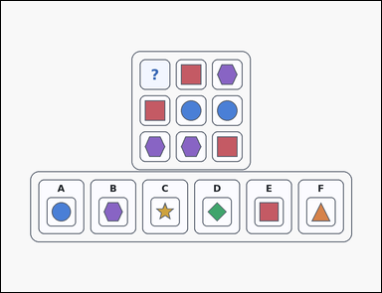 | 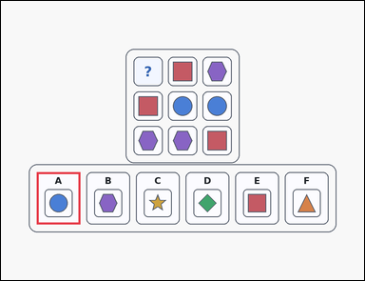 | task_puzzles_logic_grid_completion_label | column_uniqueness | Use the puzzle grid and labeled image options in the image: an outline-style shape-logic puzzle grid with one question-mark cell and six labeled image options underneath. Use the puzzle rules to identify the correct image option. Use the rule that every column contains one of each symbol. Which labeled option fits the question-mark cell? Answer with the option letter. Return a valid JSON object with keys "evidence" and "answer" in that order. Evidence format: set "evidence" to an array containing exactly one bounding box [x1, y1, x2, y2] for the correct option panel. Answer requirement: set "answer" to the exact option letter of the correct image option. Example JSON: {"evidence":[[340,650,484,822]],"answer":"D"} | Use the puzzle grid and labeled image options in the image: an outline-style shape-logic puzzle grid with one question-mark cell and six labeled image options underneath. Use the puzzle rules to identify the correct image option. Use the rule that every column contains one of each symbol. Which labeled option fits the question-mark cell? Answer with the option letter. Return a valid JSON object with key "answer". Answer requirement: set "answer" to the exact option letter of the correct image option. Example JSON: {"answer":"D"} | {"evidence": [[118.0, 564.0, 262.0, 736.0]], "answer": "A"} | [[118.0, 564.0, 262.0, 736.0]] | option_letter | bbox_set | 613049188828890 | puzzles/task_puzzles_logic_grid_completion_label/images/column_uniqueness/0013.png | puzzles/task_puzzles_logic_grid_completion_label/data/column_uniqueness/0013.json
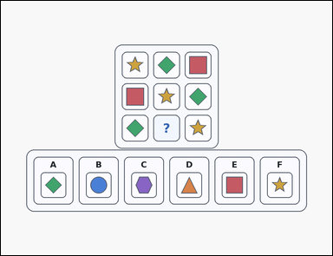 | 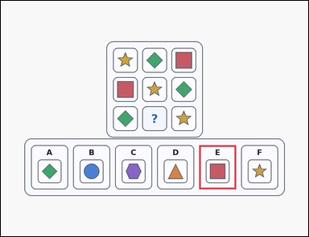 | task_puzzles_logic_grid_completion_label | column_uniqueness | You are given a card-style shape-logic puzzle grid with one question-mark cell and six labeled image options underneath. Determine which labeled option belongs in the question-mark cell. Which option correctly fills the question-mark cell if each column must contain one of each symbol? Answer with the option letter. Return a valid JSON object with keys "evidence" and "answer" in that order. Evidence field: set "evidence" to an array containing exactly one bounding box [x1, y1, x2, y2] for the correct option panel. Answer field: set "answer" to the exact option letter of the correct image option. Example JSON: {"evidence":[[340,650,484,822]],"answer":"D"} | You are given a card-style shape-logic puzzle grid with one question-mark cell and six labeled image options underneath. Determine which labeled option belongs in the question-mark cell. Which option correctly fills the question-mark cell if each column must contain one of each symbol? Answer with the option letter. Return a valid JSON object with key "answer". Answer: set "answer" to the exact option letter of the correct image option. Example JSON: {"answer":"D"} | {"evidence": [[774.0, 564.0, 918.0, 736.0]], "answer": "E"} | [[774.0, 564.0, 918.0, 736.0]] | option_letter | bbox_set | 682952855001241 | puzzles/task_puzzles_logic_grid_completion_label/images/column_uniqueness/0010.png | puzzles/task_puzzles_logic_grid_completion_label/data/column_uniqueness/0010.json
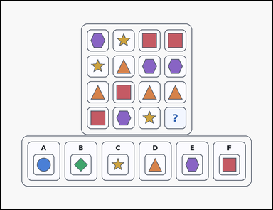 | 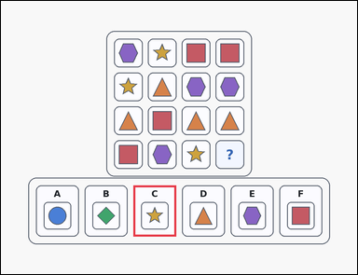 | task_puzzles_logic_grid_completion_label | column_uniqueness | Look at the logic puzzle in the image: an outline-style shape-logic puzzle grid with one question-mark cell and six labeled image options underneath. Use the puzzle rules to identify the correct image option. Use the rule that every column contains one of each symbol. Which labeled option fits the question-mark cell? Answer with the option letter. Return a valid JSON object with keys "evidence" and "answer" in that order. Evidence: set "evidence" to an array containing exactly one bounding box [x1, y1, x2, y2] for the correct option panel. Answer: set "answer" to the exact option letter of the correct image option. Example JSON: {"evidence":[[340,650,484,822]],"answer":"D"} | Look at the logic puzzle in the image: an outline-style shape-logic puzzle grid with one question-mark cell and six labeled image options underneath. Use the puzzle rules to identify the correct image option. Use the rule that every column contains one of each symbol. Which labeled option fits the question-mark cell? Answer with the option letter. Return a valid JSON object with key "answer". Answer field: set "answer" to the exact option letter of the correct image option. Example JSON: {"answer":"D"} | {"evidence": [[446.0, 621.0, 590.0, 793.0]], "answer": "C"} | [[446.0, 621.0, 590.0, 793.0]] | option_letter | bbox_set | 706748978280070 | puzzles/task_puzzles_logic_grid_completion_label/images/column_uniqueness/0008.png | puzzles/task_puzzles_logic_grid_completion_label/data/column_uniqueness/0008.json
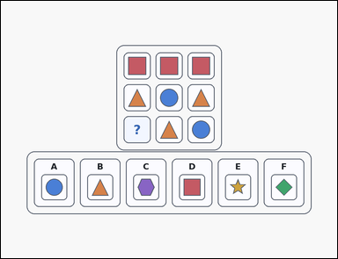 | 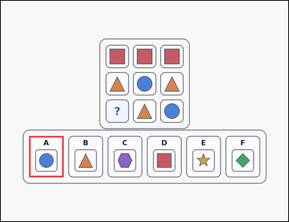 | task_puzzles_logic_grid_completion_label | column_uniqueness | Look at the logic puzzle in the image: an outline-style shape-logic puzzle grid with one question-mark cell and six labeled image options underneath. Use the puzzle rules to identify the correct image option. Use the rule that every column contains one of each symbol. Which labeled option fits the question-mark cell? Answer with the option letter. Return a valid JSON object with keys "evidence" and "answer" in that order. Evidence format: set "evidence" to an array containing exactly one bounding box [x1, y1, x2, y2] for the correct option panel. Answer requirement: set "answer" to the exact option letter of the correct image option. Example JSON: {"evidence":[[340,650,484,822]],"answer":"D"} | Look at the logic puzzle in the image: an outline-style shape-logic puzzle grid with one question-mark cell and six labeled image options underneath. Use the puzzle rules to identify the correct image option. Use the rule that every column contains one of each symbol. Which labeled option fits the question-mark cell? Answer with the option letter. Return a valid JSON object with key "answer". Answer format: set "answer" to the exact option letter of the correct image option. Example JSON: {"answer":"D"} | {"evidence": [[118.0, 564.0, 262.0, 736.0]], "answer": "A"} | [[118.0, 564.0, 262.0, 736.0]] | option_letter | bbox_set | 933977393961336 | puzzles/task_puzzles_logic_grid_completion_label/images/column_uniqueness/0016.png | puzzles/task_puzzles_logic_grid_completion_label/data/column_uniqueness/0016.json
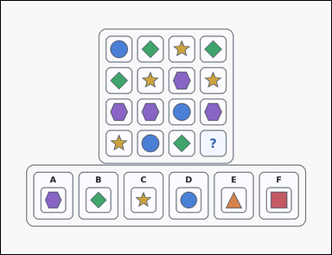 | 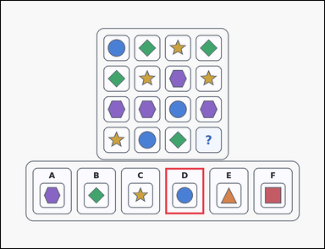 | task_puzzles_logic_grid_completion_label | column_uniqueness | Use the puzzle grid and labeled image options in the image: an outline-style shape-logic puzzle grid with one question-mark cell and six labeled image options underneath. Find the labeled option that should replace the question mark. Each column should contain each visible symbol exactly once. Which option correctly completes the question-mark cell? Answer with the option letter. Return a valid JSON object with keys "evidence" and "answer" in that order. Evidence field: set "evidence" to an array containing exactly one bounding box [x1, y1, x2, y2] for the correct option panel. Answer field: set "answer" to the exact option letter of the correct image option. Example JSON: {"evidence":[[340,650,484,822]],"answer":"D"} | Use the puzzle grid and labeled image options in the image: an outline-style shape-logic puzzle grid with one question-mark cell and six labeled image options underneath. Find the labeled option that should replace the question mark. Each column should contain each visible symbol exactly once. Which option correctly completes the question-mark cell? Answer with the option letter. Return a valid JSON object with key "answer". Answer format: set "answer" to the exact option letter of the correct image option. Example JSON: {"answer":"D"} | {"evidence": [[610.0, 621.0, 754.0, 793.0]], "answer": "D"} | [[610.0, 621.0, 754.0, 793.0]] | option_letter | bbox_set | 1.6059126427E+15 | puzzles/task_puzzles_logic_grid_completion_label/images/column_uniqueness/0023.png | puzzles/task_puzzles_logic_grid_completion_label/data/column_uniqueness/0023.json
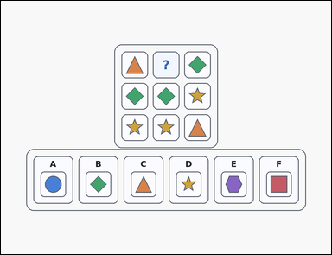 | 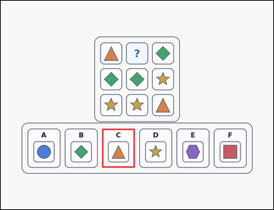 | task_puzzles_logic_grid_completion_label | column_uniqueness | The image shows an outline-style shape-logic puzzle grid with one question-mark cell and six labeled image options underneath. Find the labeled option that should replace the question mark. Use the rule that every column contains one of each symbol. Which labeled option fits the question-mark cell? Answer with the option letter. Return a valid JSON object with keys "evidence" and "answer" in that order. Evidence format: set "evidence" to an array containing exactly one bounding box [x1, y1, x2, y2] for the correct option panel. Answer requirement: set "answer" to the exact option letter of the correct image option. Example JSON: {"evidence":[[340,650,484,822]],"answer":"D"} | The image shows an outline-style shape-logic puzzle grid with one question-mark cell and six labeled image options underneath. Find the labeled option that should replace the question mark. Use the rule that every column contains one of each symbol. Which labeled option fits the question-mark cell? Answer with the option letter. Return a valid JSON object with key "answer". Answer field: set "answer" to the exact option letter of the correct image option. Example JSON: {"answer":"D"} | {"evidence": [[446.0, 564.0, 590.0, 736.0]], "answer": "C"} | [[446.0, 564.0, 590.0, 736.0]] | option_letter | bbox_set | 2.163865644E+15 | puzzles/task_puzzles_logic_grid_completion_label/images/column_uniqueness/0000.png | puzzles/task_puzzles_logic_grid_completion_label/data/column_uniqueness/0000.json
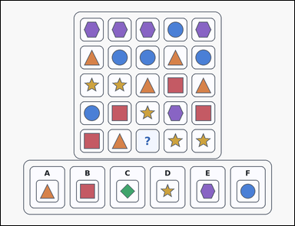 | 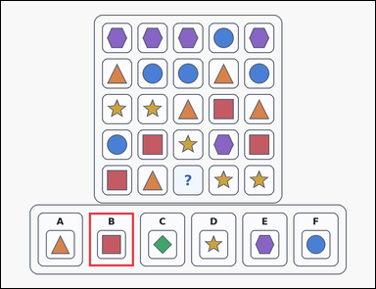 | task_puzzles_logic_grid_completion_label | column_uniqueness | Use the puzzle grid and labeled image options in the image: an outline-style shape-logic puzzle grid with one question-mark cell and six labeled image options underneath. Find the labeled option that should replace the question mark. Use the rule that every column contains one of each symbol. Which labeled option fits the question-mark cell? Answer with the option letter. Return a valid JSON object with keys "evidence" and "answer" in that order. Evidence rule: set "evidence" to an array containing exactly one bounding box [x1, y1, x2, y2] for the correct option panel. Answer rule: set "answer" to the exact option letter of the correct image option. Example JSON: {"evidence":[[340,650,484,822]],"answer":"D"} | Use the puzzle grid and labeled image options in the image: an outline-style shape-logic puzzle grid with one question-mark cell and six labeled image options underneath. Find the labeled option that should replace the question mark. Use the rule that every column contains one of each symbol. Which labeled option fits the question-mark cell? Answer with the option letter. Return a valid JSON object with key "answer". Answer requirement: set "answer" to the exact option letter of the correct image option. Example JSON: {"answer":"D"} | {"evidence": [[282.0, 678.0, 426.0, 850.0]], "answer": "B"} | [[282.0, 678.0, 426.0, 850.0]] | option_letter | bbox_set | 2.5479397334E+15 | puzzles/task_puzzles_logic_grid_completion_label/images/column_uniqueness/0011.png | puzzles/task_puzzles_logic_grid_completion_label/data/column_uniqueness/0011.json
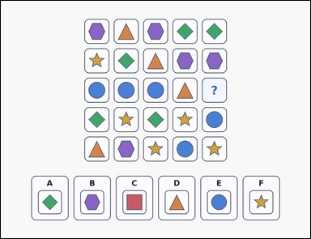 | 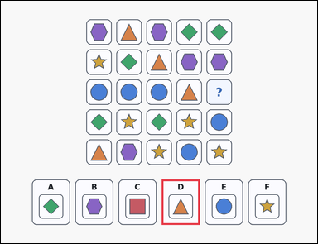 | task_puzzles_logic_grid_completion_label | column_uniqueness | Work from the shape-logic puzzle shown in the image: a shape-logic puzzle grid with one question-mark cell and six labeled image options underneath. Determine which labeled option belongs in the question-mark cell. Every column should use each symbol once. Which option belongs in the missing cell? Answer with the option letter. Return a valid JSON object with keys "evidence" and "answer" in that order. Evidence field: set "evidence" to an array containing exactly one bounding box [x1, y1, x2, y2] for the correct option panel. Answer field: set "answer" to the exact option letter of the correct image option. Example JSON: {"evidence":[[340,650,484,822]],"answer":"D"} | Work from the shape-logic puzzle shown in the image: a shape-logic puzzle grid with one question-mark cell and six labeled image options underneath. Determine which labeled option belongs in the question-mark cell. Every column should use each symbol once. Which option belongs in the missing cell? Answer with the option letter. Return a valid JSON object with key "answer". Answer format: set "answer" to the exact option letter of the correct image option. Example JSON: {"answer":"D"} | {"evidence": [[610.0, 678.0, 754.0, 850.0]], "answer": "D"} | [[610.0, 678.0, 754.0, 850.0]] | option_letter | bbox_set | 2.8734395207E+15 | puzzles/task_puzzles_logic_grid_completion_label/images/column_uniqueness/0024.png | puzzles/task_puzzles_logic_grid_completion_label/data/column_uniqueness/0024.json
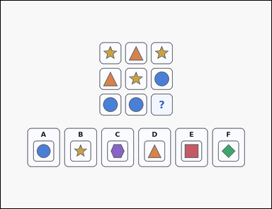 | 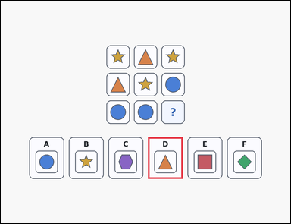 | task_puzzles_logic_grid_completion_label | column_uniqueness | Work from the shape-logic puzzle shown in the image: a shape-logic puzzle grid with one question-mark cell and six labeled image options underneath. Choose the option that correctly completes the puzzle grid. Each column should contain each visible symbol exactly once. Which option correctly completes the question-mark cell? Answer with the option letter. Return a valid JSON object with keys "evidence" and "answer" in that order. Evidence: set "evidence" to an array containing exactly one bounding box [x1, y1, x2, y2] for the correct option panel. Answer: set "answer" to the exact option letter of the correct image option. Example JSON: {"evidence":[[340,650,484,822]],"answer":"D"} | Work from the shape-logic puzzle shown in the image: a shape-logic puzzle grid with one question-mark cell and six labeled image options underneath. Choose the option that correctly completes the puzzle grid. Each column should contain each visible symbol exactly once. Which option correctly completes the question-mark cell? Answer with the option letter. Return a valid JSON object with key "answer". Answer rule: set "answer" to the exact option letter of the correct image option. Example JSON: {"answer":"D"} | {"evidence": [[610.0, 564.0, 754.0, 736.0]], "answer": "D"} | [[610.0, 564.0, 754.0, 736.0]] | option_letter | bbox_set | 3.1280380435E+15 | puzzles/task_puzzles_logic_grid_completion_label/images/column_uniqueness/0014.png | puzzles/task_puzzles_logic_grid_completion_label/data/column_uniqueness/0014.json
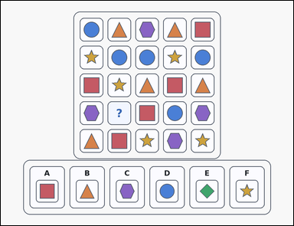 | 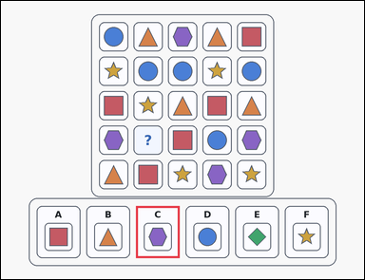 | task_puzzles_logic_grid_completion_label | column_uniqueness | Work from the shape-logic puzzle shown in the image: an outline-style shape-logic puzzle grid with one question-mark cell and six labeled image options underneath. Use the puzzle rules to identify the correct image option. Complete the puzzle so that each column contains each symbol exactly once. Which labeled option is correct? Answer with the option letter. Return a valid JSON object with keys "evidence" and "answer" in that order. Evidence format: set "evidence" to an array containing exactly one bounding box [x1, y1, x2, y2] for the correct option panel. Answer requirement: set "answer" to the exact option letter of the correct image option. Example JSON: {"evidence":[[340,650,484,822]],"answer":"D"} | Work from the shape-logic puzzle shown in the image: an outline-style shape-logic puzzle grid with one question-mark cell and six labeled image options underneath. Use the puzzle rules to identify the correct image option. Complete the puzzle so that each column contains each symbol exactly once. Which labeled option is correct? Answer with the option letter. Return a valid JSON object with key "answer". Answer requirement: set "answer" to the exact option letter of the correct image option. Example JSON: {"answer":"D"} | {"evidence": [[446.0, 678.0, 590.0, 850.0]], "answer": "C"} | [[446.0, 678.0, 590.0, 850.0]] | option_letter | bbox_set | 3.5179869355E+15 | puzzles/task_puzzles_logic_grid_completion_label/images/column_uniqueness/0009.png | puzzles/task_puzzles_logic_grid_completion_label/data/column_uniqueness/0009.json
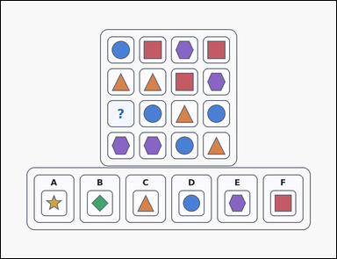 | 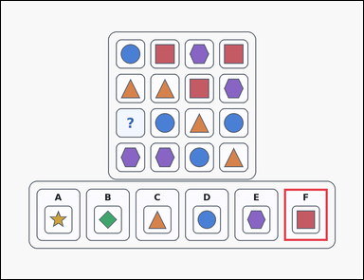 | task_puzzles_logic_grid_completion_label | column_uniqueness | Look at the logic puzzle in the image: an outline-style shape-logic puzzle grid with one question-mark cell and six labeled image options underneath. Use the puzzle rules to identify the correct image option. Complete the puzzle so that each column contains each symbol exactly once. Which labeled option is correct? Answer with the option letter. Return a valid JSON object with keys "evidence" and "answer" in that order. Evidence rule: set "evidence" to an array containing exactly one bounding box [x1, y1, x2, y2] for the correct option panel. Answer rule: set "answer" to the exact option letter of the correct image option. Example JSON: {"evidence":[[340,650,484,822]],"answer":"D"} | Look at the logic puzzle in the image: an outline-style shape-logic puzzle grid with one question-mark cell and six labeled image options underneath. Use the puzzle rules to identify the correct image option. Complete the puzzle so that each column contains each symbol exactly once. Which labeled option is correct? Answer with the option letter. Return a valid JSON object with key "answer". Answer requirement: set "answer" to the exact option letter of the correct image option. Example JSON: {"answer":"D"} | {"evidence": [[938.0, 621.0, 1082.0, 793.0]], "answer": "F"} | [[938.0, 621.0, 1082.0, 793.0]] | option_letter | bbox_set | 3.860925428E+15 | puzzles/task_puzzles_logic_grid_completion_label/images/column_uniqueness/0007.png | puzzles/task_puzzles_logic_grid_completion_label/data/column_uniqueness/0007.json
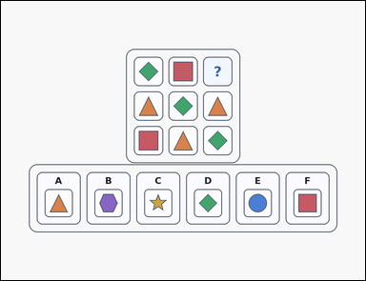 | 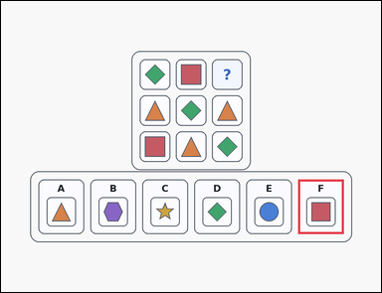 | task_puzzles_logic_grid_completion_label | column_uniqueness | Use the puzzle grid and labeled image options in the image: an outline-style shape-logic puzzle grid with one question-mark cell and six labeled image options underneath. Determine which labeled option belongs in the question-mark cell. Use the rule that every column contains one of each symbol. Which labeled option fits the question-mark cell? Answer with the option letter. Return a valid JSON object with keys "evidence" and "answer" in that order. Evidence format: set "evidence" to an array containing exactly one bounding box [x1, y1, x2, y2] for the correct option panel. Answer requirement: set "answer" to the exact option letter of the correct image option. Example JSON: {"evidence":[[340,650,484,822]],"answer":"D"} | Use the puzzle grid and labeled image options in the image: an outline-style shape-logic puzzle grid with one question-mark cell and six labeled image options underneath. Determine which labeled option belongs in the question-mark cell. Use the rule that every column contains one of each symbol. Which labeled option fits the question-mark cell? Answer with the option letter. Return a valid JSON object with key "answer". Answer format: set "answer" to the exact option letter of the correct image option. Example JSON: {"answer":"D"} | {"evidence": [[938.0, 564.0, 1082.0, 736.0]], "answer": "F"} | [[938.0, 564.0, 1082.0, 736.0]] | option_letter | bbox_set | 4.1037231969E+15 | puzzles/task_puzzles_logic_grid_completion_label/images/column_uniqueness/0004.png | puzzles/task_puzzles_logic_grid_completion_label/data/column_uniqueness/0004.json
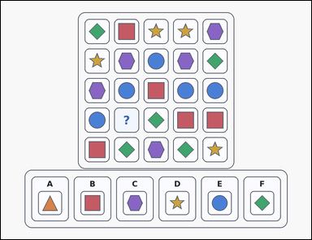 | 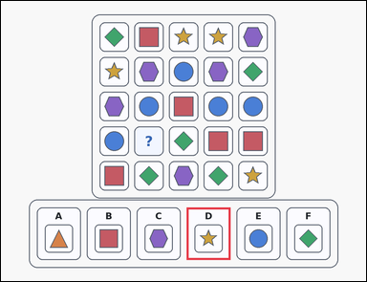 | task_puzzles_logic_grid_completion_label | column_uniqueness | Work from the shape-logic puzzle shown in the image: an outline-style shape-logic puzzle grid with one question-mark cell and six labeled image options underneath. Find the labeled option that should replace the question mark. Each column should contain each visible symbol exactly once. Which option correctly completes the question-mark cell? Answer with the option letter. Return a valid JSON object with keys "evidence" and "answer" in that order. Evidence rule: set "evidence" to an array containing exactly one bounding box [x1, y1, x2, y2] for the correct option panel. Answer rule: set "answer" to the exact option letter of the correct image option. Example JSON: {"evidence":[[340,650,484,822]],"answer":"D"} | Work from the shape-logic puzzle shown in the image: an outline-style shape-logic puzzle grid with one question-mark cell and six labeled image options underneath. Find the labeled option that should replace the question mark. Each column should contain each visible symbol exactly once. Which option correctly completes the question-mark cell? Answer with the option letter. Return a valid JSON object with key "answer". Answer field: set "answer" to the exact option letter of the correct image option. Example JSON: {"answer":"D"} | {"evidence": [[610.0, 678.0, 754.0, 850.0]], "answer": "D"} | [[610.0, 678.0, 754.0, 850.0]] | option_letter | bbox_set | 4.2358823329E+15 | puzzles/task_puzzles_logic_grid_completion_label/images/column_uniqueness/0002.png | puzzles/task_puzzles_logic_grid_completion_label/data/column_uniqueness/0002.json
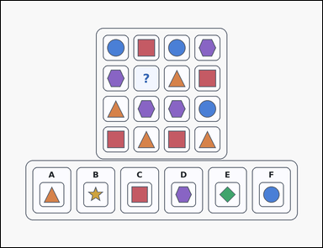 | 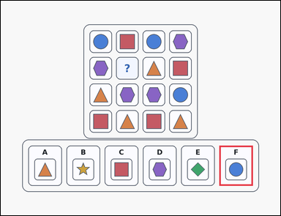 | task_puzzles_logic_grid_completion_label | column_uniqueness | Work from the shape-logic puzzle shown in the image: an outline-style shape-logic puzzle grid with one question-mark cell and six labeled image options underneath. Use the puzzle rules to identify the correct image option. Which option correctly fills the question-mark cell if each column must contain one of each symbol? Answer with the option letter. Return a valid JSON object with keys "evidence" and "answer" in that order. Evidence requirement: set "evidence" to an array containing exactly one bounding box [x1, y1, x2, y2] for the correct option panel. Answer format: set "answer" to the exact option letter of the correct image option. Example JSON: {"evidence":[[340,650,484,822]],"answer":"D"} | Work from the shape-logic puzzle shown in the image: an outline-style shape-logic puzzle grid with one question-mark cell and six labeled image options underneath. Use the puzzle rules to identify the correct image option. Which option correctly fills the question-mark cell if each column must contain one of each symbol? Answer with the option letter. Return a valid JSON object with key "answer". Answer requirement: set "answer" to the exact option letter of the correct image option. Example JSON: {"answer":"D"} | {"evidence": [[938.0, 621.0, 1082.0, 793.0]], "answer": "F"} | [[938.0, 621.0, 1082.0, 793.0]] | option_letter | bbox_set | 4.7509875469E+15 | puzzles/task_puzzles_logic_grid_completion_label/images/column_uniqueness/0005.png | puzzles/task_puzzles_logic_grid_completion_label/data/column_uniqueness/0005.json
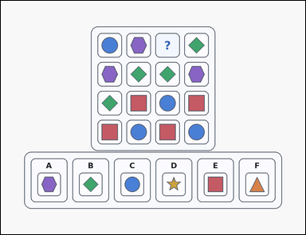 | 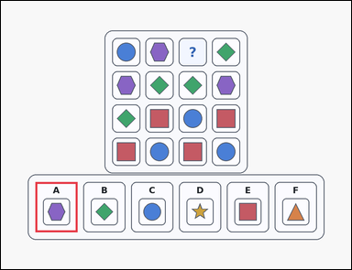 | task_puzzles_logic_grid_completion_label | column_uniqueness | Work from the shape-logic puzzle shown in the image: a card-style shape-logic puzzle grid with one question-mark cell and six labeled image options underneath. Use the puzzle rules to identify the correct image option. Which option correctly fills the question-mark cell if each column must contain one of each symbol? Answer with the option letter. Return a valid JSON object with keys "evidence" and "answer" in that order. Evidence field: set "evidence" to an array containing exactly one bounding box [x1, y1, x2, y2] for the correct option panel. Answer field: set "answer" to the exact option letter of the correct image option. Example JSON: {"evidence":[[340,650,484,822]],"answer":"D"} | Work from the shape-logic puzzle shown in the image: a card-style shape-logic puzzle grid with one question-mark cell and six labeled image options underneath. Use the puzzle rules to identify the correct image option. Which option correctly fills the question-mark cell if each column must contain one of each symbol? Answer with the option letter. Return a valid JSON object with key "answer". Answer requirement: set "answer" to the exact option letter of the correct image option. Example JSON: {"answer":"D"} | {"evidence": [[118.0, 621.0, 262.0, 793.0]], "answer": "A"} | [[118.0, 621.0, 262.0, 793.0]] | option_letter | bbox_set | 5.0451149955E+15 | puzzles/task_puzzles_logic_grid_completion_label/images/column_uniqueness/0015.png | puzzles/task_puzzles_logic_grid_completion_label/data/column_uniqueness/0015.json
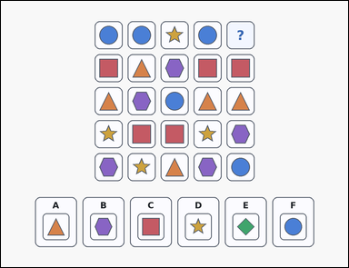 | 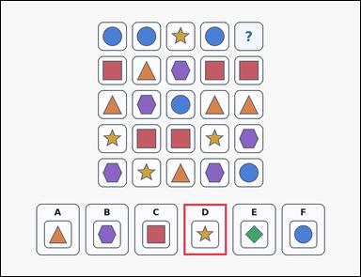 | task_puzzles_logic_grid_completion_label | column_uniqueness | The image shows a shape-logic puzzle grid with one question-mark cell and six labeled image options underneath. Choose the option that correctly completes the puzzle grid. Each column should contain each visible symbol exactly once. Which option correctly completes the question-mark cell? Answer with the option letter. Return a valid JSON object with keys "evidence" and "answer" in that order. Evidence requirement: set "evidence" to an array containing exactly one bounding box [x1, y1, x2, y2] for the correct option panel. Answer format: set "answer" to the exact option letter of the correct image option. Example JSON: {"evidence":[[340,650,484,822]],"answer":"D"} | The image shows a shape-logic puzzle grid with one question-mark cell and six labeled image options underneath. Choose the option that correctly completes the puzzle grid. Each column should contain each visible symbol exactly once. Which option correctly completes the question-mark cell? Answer with the option letter. Return a valid JSON object with key "answer". Answer requirement: set "answer" to the exact option letter of the correct image option. Example JSON: {"answer":"D"} | {"evidence": [[610.0, 678.0, 754.0, 850.0]], "answer": "D"} | [[610.0, 678.0, 754.0, 850.0]] | option_letter | bbox_set | 5.249541359E+15 | puzzles/task_puzzles_logic_grid_completion_label/images/column_uniqueness/0003.png | puzzles/task_puzzles_logic_grid_completion_label/data/column_uniqueness/0003.json
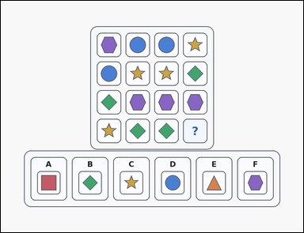 | 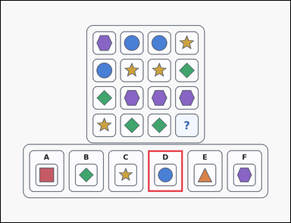 | task_puzzles_logic_grid_completion_label | column_uniqueness | Work from the shape-logic puzzle shown in the image: an outline-style shape-logic puzzle grid with one question-mark cell and six labeled image options underneath. Use the puzzle rules to identify the correct image option. Complete the puzzle so that each column contains each symbol exactly once. Which labeled option is correct? Answer with the option letter. Return a valid JSON object with keys "evidence" and "answer" in that order. Evidence format: set "evidence" to an array containing exactly one bounding box [x1, y1, x2, y2] for the correct option panel. Answer requirement: set "answer" to the exact option letter of the correct image option. Example JSON: {"evidence":[[340,650,484,822]],"answer":"D"} | Work from the shape-logic puzzle shown in the image: an outline-style shape-logic puzzle grid with one question-mark cell and six labeled image options underneath. Use the puzzle rules to identify the correct image option. Complete the puzzle so that each column contains each symbol exactly once. Which labeled option is correct? Answer with the option letter. Return a valid JSON object with key "answer". Answer: set "answer" to the exact option letter of the correct image option. Example JSON: {"answer":"D"} | {"evidence": [[610.0, 621.0, 754.0, 793.0]], "answer": "D"} | [[610.0, 621.0, 754.0, 793.0]] | option_letter | bbox_set | 5.3309826107E+15 | puzzles/task_puzzles_logic_grid_completion_label/images/column_uniqueness/0018.png | puzzles/task_puzzles_logic_grid_completion_label/data/column_uniqueness/0018.json
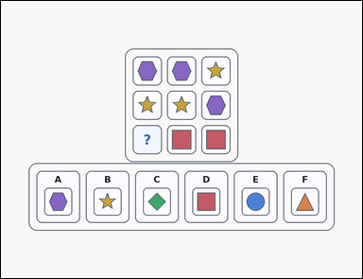 | 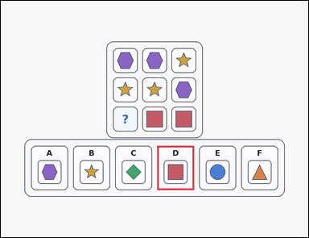 | task_puzzles_logic_grid_completion_label | column_uniqueness | You are given an outline-style shape-logic puzzle grid with one question-mark cell and six labeled image options underneath. Determine which labeled option belongs in the question-mark cell. Which option correctly fills the question-mark cell if each column must contain one of each symbol? Answer with the option letter. Return a valid JSON object with keys "evidence" and "answer" in that order. Evidence field: set "evidence" to an array containing exactly one bounding box [x1, y1, x2, y2] for the correct option panel. Answer field: set "answer" to the exact option letter of the correct image option. Example JSON: {"evidence":[[340,650,484,822]],"answer":"D"} | You are given an outline-style shape-logic puzzle grid with one question-mark cell and six labeled image options underneath. Determine which labeled option belongs in the question-mark cell. Which option correctly fills the question-mark cell if each column must contain one of each symbol? Answer with the option letter. Return a valid JSON object with key "answer". Answer format: set "answer" to the exact option letter of the correct image option. Example JSON: {"answer":"D"} | {"evidence": [[610.0, 564.0, 754.0, 736.0]], "answer": "D"} | [[610.0, 564.0, 754.0, 736.0]] | option_letter | bbox_set | 5.5232386327E+15 | puzzles/task_puzzles_logic_grid_completion_label/images/column_uniqueness/0022.png | puzzles/task_puzzles_logic_grid_completion_label/data/column_uniqueness/0022.json
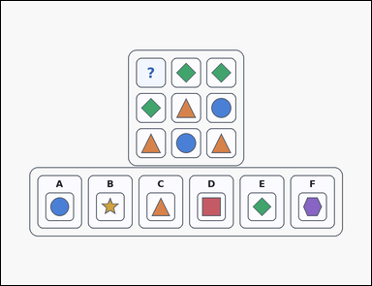 | 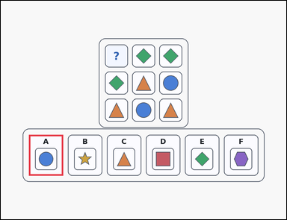 | task_puzzles_logic_grid_completion_label | column_uniqueness | Work from the shape-logic puzzle shown in the image: an outline-style shape-logic puzzle grid with one question-mark cell and six labeled image options underneath. Use the puzzle rules to identify the correct image option. Complete the puzzle so that each column contains each symbol exactly once. Which labeled option is correct? Answer with the option letter. Return a valid JSON object with keys "evidence" and "answer" in that order. Evidence: set "evidence" to an array containing exactly one bounding box [x1, y1, x2, y2] for the correct option panel. Answer: set "answer" to the exact option letter of the correct image option. Example JSON: {"evidence":[[340,650,484,822]],"answer":"D"} | Work from the shape-logic puzzle shown in the image: an outline-style shape-logic puzzle grid with one question-mark cell and six labeled image options underneath. Use the puzzle rules to identify the correct image option. Complete the puzzle so that each column contains each symbol exactly once. Which labeled option is correct? Answer with the option letter. Return a valid JSON object with key "answer". Answer requirement: set "answer" to the exact option letter of the correct image option. Example JSON: {"answer":"D"} | {"evidence": [[118.0, 564.0, 262.0, 736.0]], "answer": "A"} | [[118.0, 564.0, 262.0, 736.0]] | option_letter | bbox_set | 6.574026203E+15 | puzzles/task_puzzles_logic_grid_completion_label/images/column_uniqueness/0019.png | puzzles/task_puzzles_logic_grid_completion_label/data/column_uniqueness/0019.json
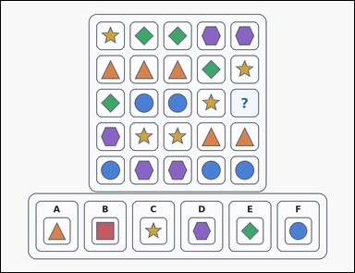 | 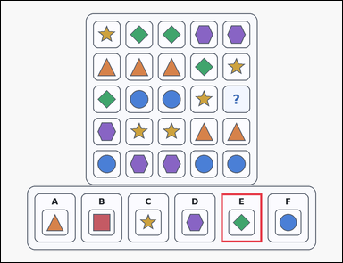 | task_puzzles_logic_grid_completion_label | column_uniqueness | Look at the logic puzzle in the image: a card-style shape-logic puzzle grid with one question-mark cell and six labeled image options underneath. Choose the option that correctly completes the puzzle grid. Each column should contain each visible symbol exactly once. Which option correctly completes the question-mark cell? Answer with the option letter. Return a valid JSON object with keys "evidence" and "answer" in that order. Evidence requirement: set "evidence" to an array containing exactly one bounding box [x1, y1, x2, y2] for the correct option panel. Answer format: set "answer" to the exact option letter of the correct image option. Example JSON: {"evidence":[[340,650,484,822]],"answer":"D"} | Look at the logic puzzle in the image: a card-style shape-logic puzzle grid with one question-mark cell and six labeled image options underneath. Choose the option that correctly completes the puzzle grid. Each column should contain each visible symbol exactly once. Which option correctly completes the question-mark cell? Answer with the option letter. Return a valid JSON object with key "answer". Answer format: set "answer" to the exact option letter of the correct image option. Example JSON: {"answer":"D"} | {"evidence": [[774.0, 678.0, 918.0, 850.0]], "answer": "E"} | [[774.0, 678.0, 918.0, 850.0]] | option_letter | bbox_set | 6.7215935302E+15 | puzzles/task_puzzles_logic_grid_completion_label/images/column_uniqueness/0012.png | puzzles/task_puzzles_logic_grid_completion_label/data/column_uniqueness/0012.json
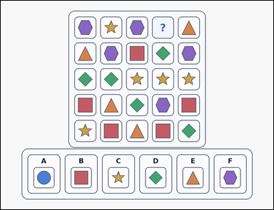 | 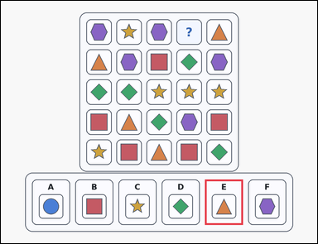 | task_puzzles_logic_grid_completion_label | column_uniqueness | Work from the shape-logic puzzle shown in the image: a card-style shape-logic puzzle grid with one question-mark cell and six labeled image options underneath. Choose the option that correctly completes the puzzle grid. Complete the puzzle so that each column contains each symbol exactly once. Which labeled option is correct? Answer with the option letter. Return a valid JSON object with keys "evidence" and "answer" in that order. Evidence rule: set "evidence" to an array containing exactly one bounding box [x1, y1, x2, y2] for the correct option panel. Answer rule: set "answer" to the exact option letter of the correct image option. Example JSON: {"evidence":[[340,650,484,822]],"answer":"D"} | Work from the shape-logic puzzle shown in the image: a card-style shape-logic puzzle grid with one question-mark cell and six labeled image options underneath. Choose the option that correctly completes the puzzle grid. Complete the puzzle so that each column contains each symbol exactly once. Which labeled option is correct? Answer with the option letter. Return a valid JSON object with key "answer". Answer format: set "answer" to the exact option letter of the correct image option. Example JSON: {"answer":"D"} | {"evidence": [[774.0, 678.0, 918.0, 850.0]], "answer": "E"} | [[774.0, 678.0, 918.0, 850.0]] | option_letter | bbox_set | 7.2298541957E+15 | puzzles/task_puzzles_logic_grid_completion_label/images/column_uniqueness/0001.png | puzzles/task_puzzles_logic_grid_completion_label/data/column_uniqueness/0001.json
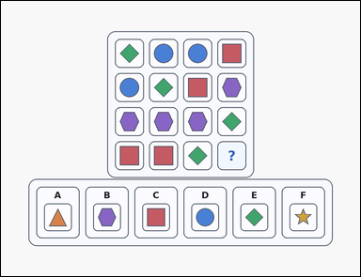 | 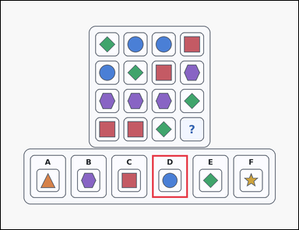 | task_puzzles_logic_grid_completion_label | column_uniqueness | Use the puzzle grid and labeled image options in the image: a card-style shape-logic puzzle grid with one question-mark cell and six labeled image options underneath. Choose the option that correctly completes the puzzle grid. Which option correctly fills the question-mark cell if each column must contain one of each symbol? Answer with the option letter. Return a valid JSON object with keys "evidence" and "answer" in that order. Evidence format: set "evidence" to an array containing exactly one bounding box [x1, y1, x2, y2] for the correct option panel. Answer requirement: set "answer" to the exact option letter of the correct image option. Example JSON: {"evidence":[[340,650,484,822]],"answer":"D"} | Use the puzzle grid and labeled image options in the image: a card-style shape-logic puzzle grid with one question-mark cell and six labeled image options underneath. Choose the option that correctly completes the puzzle grid. Which option correctly fills the question-mark cell if each column must contain one of each symbol? Answer with the option letter. Return a valid JSON object with key "answer". Answer rule: set "answer" to the exact option letter of the correct image option. Example JSON: {"answer":"D"} | {"evidence": [[610.0, 621.0, 754.0, 793.0]], "answer": "D"} | [[610.0, 621.0, 754.0, 793.0]] | option_letter | bbox_set | 7.5004781948E+15 | puzzles/task_puzzles_logic_grid_completion_label/images/column_uniqueness/0021.png | puzzles/task_puzzles_logic_grid_completion_label/data/column_uniqueness/0021.json
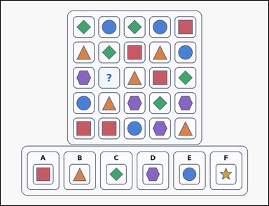 | 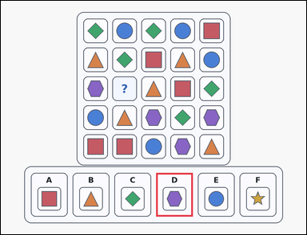 | task_puzzles_logic_grid_completion_label | column_uniqueness | The image shows a card-style shape-logic puzzle grid with one question-mark cell and six labeled image options underneath. Find the labeled option that should replace the question mark. Which option correctly fills the question-mark cell if each column must contain one of each symbol? Answer with the option letter. Return a valid JSON object with keys "evidence" and "answer" in that order. Evidence: set "evidence" to an array containing exactly one bounding box [x1, y1, x2, y2] for the correct option panel. Answer: set "answer" to the exact option letter of the correct image option. Example JSON: {"evidence":[[340,650,484,822]],"answer":"D"} | The image shows a card-style shape-logic puzzle grid with one question-mark cell and six labeled image options underneath. Find the labeled option that should replace the question mark. Which option correctly fills the question-mark cell if each column must contain one of each symbol? Answer with the option letter. Return a valid JSON object with key "answer". Answer rule: set "answer" to the exact option letter of the correct image option. Example JSON: {"answer":"D"} | {"evidence": [[610.0, 678.0, 754.0, 850.0]], "answer": "D"} | [[610.0, 678.0, 754.0, 850.0]] | option_letter | bbox_set | 8.4527568191E+15 | puzzles/task_puzzles_logic_grid_completion_label/images/column_uniqueness/0017.png | puzzles/task_puzzles_logic_grid_completion_label/data/column_uniqueness/0017.json
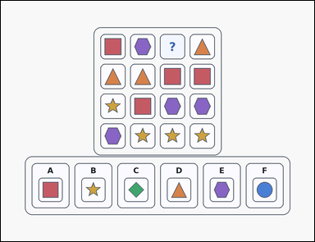 | 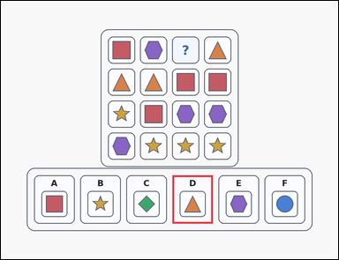 | task_puzzles_logic_grid_completion_label | column_uniqueness | Use the puzzle grid and labeled image options in the image: an outline-style shape-logic puzzle grid with one question-mark cell and six labeled image options underneath. Use the puzzle rules to identify the correct image option. Which option correctly fills the question-mark cell if each column must contain one of each symbol? Answer with the option letter. Return a valid JSON object with keys "evidence" and "answer" in that order. Evidence rule: set "evidence" to an array containing exactly one bounding box [x1, y1, x2, y2] for the correct option panel. Answer rule: set "answer" to the exact option letter of the correct image option. Example JSON: {"evidence":[[340,650,484,822]],"answer":"D"} | Use the puzzle grid and labeled image options in the image: an outline-style shape-logic puzzle grid with one question-mark cell and six labeled image options underneath. Use the puzzle rules to identify the correct image option. Which option correctly fills the question-mark cell if each column must contain one of each symbol? Answer with the option letter. Return a valid JSON object with key "answer". Answer: set "answer" to the exact option letter of the correct image option. Example JSON: {"answer":"D"} | {"evidence": [[610.0, 621.0, 754.0, 793.0]], "answer": "D"} | [[610.0, 621.0, 754.0, 793.0]] | option_letter | bbox_set | 8.7544925525E+15 | puzzles/task_puzzles_logic_grid_completion_label/images/column_uniqueness/0006.png | puzzles/task_puzzles_logic_grid_completion_label/data/column_uniqueness/0006.json
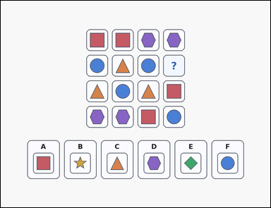 | 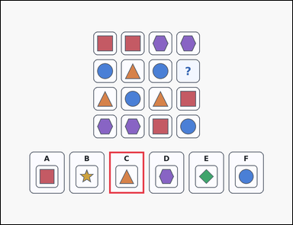 | task_puzzles_logic_grid_completion_label | column_uniqueness | The image shows a shape-logic puzzle grid with one question-mark cell and six labeled image options underneath. Determine which labeled option belongs in the question-mark cell. Which option correctly fills the question-mark cell if each column must contain one of each symbol? Answer with the option letter. Return a valid JSON object with keys "evidence" and "answer" in that order. Evidence format: set "evidence" to an array containing exactly one bounding box [x1, y1, x2, y2] for the correct option panel. Answer requirement: set "answer" to the exact option letter of the correct image option. Example JSON: {"evidence":[[340,650,484,822]],"answer":"D"} | The image shows a shape-logic puzzle grid with one question-mark cell and six labeled image options underneath. Determine which labeled option belongs in the question-mark cell. Which option correctly fills the question-mark cell if each column must contain one of each symbol? Answer with the option letter. Return a valid JSON object with key "answer". Answer: set "answer" to the exact option letter of the correct image option. Example JSON: {"answer":"D"} | {"evidence": [[446.0, 621.0, 590.0, 793.0]], "answer": "C"} | [[446.0, 621.0, 590.0, 793.0]] | option_letter | bbox_set | 8.790332668E+15 | puzzles/task_puzzles_logic_grid_completion_label/images/column_uniqueness/0020.png | puzzles/task_puzzles_logic_grid_completion_label/data/column_uniqueness/0020.json

row_and_column_uniqueness
image | evidence_image | task | task_variant | prompt | prompt_answer_only | answer | answer_evidence | answer_type | evidence_type | instance_seed | image_path | data_path
 |  | task_puzzles_logic_grid_completion_label | row_and_column_uniqueness | Work from the shape-logic puzzle shown in the image: an outline-style shape-logic puzzle grid with one question-mark cell and six labeled image options underneath. Work from the puzzle grid and choose the correct option. Each row and each column should contain each visible symbol exactly once. Which option correctly completes the question-mark cell? Answer with the option letter. Return a valid JSON object with keys "evidence" and "answer" in that order. Evidence requirement: set "evidence" to an array containing exactly one bounding box [x1, y1, x2, y2] for the correct option panel. Answer format: set "answer" to the exact option letter of the correct image option. Example JSON: {"evidence":[[504,650,648,822]],"answer":"B"} | Work from the shape-logic puzzle shown in the image: an outline-style shape-logic puzzle grid with one question-mark cell and six labeled image options underneath. Work from the puzzle grid and choose the correct option. Each row and each column should contain each visible symbol exactly once. Which option correctly completes the question-mark cell? Answer with the option letter. Return a valid JSON object with key "answer". Answer: set "answer" to the exact option letter of the correct image option. Example JSON: {"answer":"B"} | {"evidence": [[118.0, 678.0, 262.0, 850.0]], "answer": "A"} | [[118.0, 678.0, 262.0, 850.0]] | option_letter | bbox_set | 336892310326406 | puzzles/task_puzzles_logic_grid_completion_label/images/row_and_column_uniqueness/0010.png | puzzles/task_puzzles_logic_grid_completion_label/data/row_and_column_uniqueness/0010.json
 |  | task_puzzles_logic_grid_completion_label | row_and_column_uniqueness | The image shows an outline-style shape-logic puzzle grid with one question-mark cell and six labeled image options underneath. Determine which labeled option belongs in the question-mark cell. Every row and column should use each symbol once. Which option belongs in the missing cell? Answer with the option letter. Return a valid JSON object with keys "evidence" and "answer" in that order. Evidence rule: set "evidence" to an array containing exactly one bounding box [x1, y1, x2, y2] for the correct option panel. Answer rule: set "answer" to the exact option letter of the correct image option. Example JSON: {"evidence":[[504,650,648,822]],"answer":"B"} | The image shows an outline-style shape-logic puzzle grid with one question-mark cell and six labeled image options underneath. Determine which labeled option belongs in the question-mark cell. Every row and column should use each symbol once. Which option belongs in the missing cell? Answer with the option letter. Return a valid JSON object with key "answer". Answer rule: set "answer" to the exact option letter of the correct image option. Example JSON: {"answer":"B"} | {"evidence": [[610.0, 621.0, 754.0, 793.0]], "answer": "D"} | [[610.0, 621.0, 754.0, 793.0]] | option_letter | bbox_set | 1.5003726432E+15 | puzzles/task_puzzles_logic_grid_completion_label/images/row_and_column_uniqueness/0006.png | puzzles/task_puzzles_logic_grid_completion_label/data/row_and_column_uniqueness/0006.json
 |  | task_puzzles_logic_grid_completion_label | row_and_column_uniqueness | You are given a shape-logic puzzle grid with one question-mark cell and six labeled image options underneath. Determine which labeled option belongs in the question-mark cell. Every row and column should use each symbol once. Which option belongs in the missing cell? Answer with the option letter. Return a valid JSON object with keys "evidence" and "answer" in that order. Evidence requirement: set "evidence" to an array containing exactly one bounding box [x1, y1, x2, y2] for the correct option panel. Answer format: set "answer" to the exact option letter of the correct image option. Example JSON: {"evidence":[[504,650,648,822]],"answer":"B"} | You are given a shape-logic puzzle grid with one question-mark cell and six labeled image options underneath. Determine which labeled option belongs in the question-mark cell. Every row and column should use each symbol once. Which option belongs in the missing cell? Answer with the option letter. Return a valid JSON object with key "answer". Answer: set "answer" to the exact option letter of the correct image option. Example JSON: {"answer":"B"} | {"evidence": [[118.0, 678.0, 262.0, 850.0]], "answer": "A"} | [[118.0, 678.0, 262.0, 850.0]] | option_letter | bbox_set | 1.9542767547E+15 | puzzles/task_puzzles_logic_grid_completion_label/images/row_and_column_uniqueness/0001.png | puzzles/task_puzzles_logic_grid_completion_label/data/row_and_column_uniqueness/0001.json
 |  | task_puzzles_logic_grid_completion_label | row_and_column_uniqueness | Work from the shape-logic puzzle shown in the image: an outline-style shape-logic puzzle grid with one question-mark cell and six labeled image options underneath. Determine which labeled option belongs in the question-mark cell. Every row and column should use each symbol once. Which option belongs in the missing cell? Answer with the option letter. Return a valid JSON object with keys "evidence" and "answer" in that order. Evidence rule: set "evidence" to an array containing exactly one bounding box [x1, y1, x2, y2] for the correct option panel. Answer rule: set "answer" to the exact option letter of the correct image option. Example JSON: {"evidence":[[504,650,648,822]],"answer":"B"} | Work from the shape-logic puzzle shown in the image: an outline-style shape-logic puzzle grid with one question-mark cell and six labeled image options underneath. Determine which labeled option belongs in the question-mark cell. Every row and column should use each symbol once. Which option belongs in the missing cell? Answer with the option letter. Return a valid JSON object with key "answer". Answer format: set "answer" to the exact option letter of the correct image option. Example JSON: {"answer":"B"} | {"evidence": [[282.0, 678.0, 426.0, 850.0]], "answer": "B"} | [[282.0, 678.0, 426.0, 850.0]] | option_letter | bbox_set | 3.5534034915E+15 | puzzles/task_puzzles_logic_grid_completion_label/images/row_and_column_uniqueness/0002.png | puzzles/task_puzzles_logic_grid_completion_label/data/row_and_column_uniqueness/0002.json
 |  | task_puzzles_logic_grid_completion_label | row_and_column_uniqueness | You are given a shape-logic puzzle grid with one question-mark cell and six labeled image options underneath. Work from the puzzle grid and choose the correct option. Use the rule that every row and every column contains one of each symbol. Which labeled option fits the question-mark cell? Answer with the option letter. Return a valid JSON object with keys "evidence" and "answer" in that order. Evidence: set "evidence" to an array containing exactly one bounding box [x1, y1, x2, y2] for the correct option panel. Answer: set "answer" to the exact option letter of the correct image option. Example JSON: {"evidence":[[504,650,648,822]],"answer":"B"} | You are given a shape-logic puzzle grid with one question-mark cell and six labeled image options underneath. Work from the puzzle grid and choose the correct option. Use the rule that every row and every column contains one of each symbol. Which labeled option fits the question-mark cell? Answer with the option letter. Return a valid JSON object with key "answer". Answer: set "answer" to the exact option letter of the correct image option. Example JSON: {"answer":"B"} | {"evidence": [[282.0, 621.0, 426.0, 793.0]], "answer": "B"} | [[282.0, 621.0, 426.0, 793.0]] | option_letter | bbox_set | 4.1233234675E+15 | puzzles/task_puzzles_logic_grid_completion_label/images/row_and_column_uniqueness/0018.png | puzzles/task_puzzles_logic_grid_completion_label/data/row_and_column_uniqueness/0018.json
 |  | task_puzzles_logic_grid_completion_label | row_and_column_uniqueness | You are given an outline-style shape-logic puzzle grid with one question-mark cell and six labeled image options underneath. Find the labeled option that should replace the question mark. Which option correctly fills the question-mark cell if both the rows and columns must contain one of each symbol? Answer with the option letter. Return a valid JSON object with keys "evidence" and "answer" in that order. Evidence: set "evidence" to an array containing exactly one bounding box [x1, y1, x2, y2] for the correct option panel. Answer: set "answer" to the exact option letter of the correct image option. Example JSON: {"evidence":[[504,650,648,822]],"answer":"B"} | You are given an outline-style shape-logic puzzle grid with one question-mark cell and six labeled image options underneath. Find the labeled option that should replace the question mark. Which option correctly fills the question-mark cell if both the rows and columns must contain one of each symbol? Answer with the option letter. Return a valid JSON object with key "answer". Answer rule: set "answer" to the exact option letter of the correct image option. Example JSON: {"answer":"B"} | {"evidence": [[938.0, 678.0, 1082.0, 850.0]], "answer": "F"} | [[938.0, 678.0, 1082.0, 850.0]] | option_letter | bbox_set | 4.304168987E+15 | puzzles/task_puzzles_logic_grid_completion_label/images/row_and_column_uniqueness/0023.png | puzzles/task_puzzles_logic_grid_completion_label/data/row_and_column_uniqueness/0023.json
 |  | task_puzzles_logic_grid_completion_label | row_and_column_uniqueness | Look at the logic puzzle in the image: an outline-style shape-logic puzzle grid with one question-mark cell and six labeled image options underneath. Determine which labeled option belongs in the question-mark cell. Complete the puzzle so that each row and each column contains each symbol exactly once. Which labeled option is correct? Answer with the option letter. Return a valid JSON object with keys "evidence" and "answer" in that order. Evidence requirement: set "evidence" to an array containing exactly one bounding box [x1, y1, x2, y2] for the correct option panel. Answer format: set "answer" to the exact option letter of the correct image option. Example JSON: {"evidence":[[504,650,648,822]],"answer":"B"} | Look at the logic puzzle in the image: an outline-style shape-logic puzzle grid with one question-mark cell and six labeled image options underneath. Determine which labeled option belongs in the question-mark cell. Complete the puzzle so that each row and each column contains each symbol exactly once. Which labeled option is correct? Answer with the option letter. Return a valid JSON object with key "answer". Answer requirement: set "answer" to the exact option letter of the correct image option. Example JSON: {"answer":"B"} | {"evidence": [[774.0, 564.0, 918.0, 736.0]], "answer": "E"} | [[774.0, 564.0, 918.0, 736.0]] | option_letter | bbox_set | 4.5370913384E+15 | puzzles/task_puzzles_logic_grid_completion_label/images/row_and_column_uniqueness/0009.png | puzzles/task_puzzles_logic_grid_completion_label/data/row_and_column_uniqueness/0009.json
 |  | task_puzzles_logic_grid_completion_label | row_and_column_uniqueness | Work from the shape-logic puzzle shown in the image: a shape-logic puzzle grid with one question-mark cell and six labeled image options underneath. Find the labeled option that should replace the question mark. Every row and column should use each symbol once. Which option belongs in the missing cell? Answer with the option letter. Return a valid JSON object with keys "evidence" and "answer" in that order. Evidence rule: set "evidence" to an array containing exactly one bounding box [x1, y1, x2, y2] for the correct option panel. Answer rule: set "answer" to the exact option letter of the correct image option. Example JSON: {"evidence":[[504,650,648,822]],"answer":"B"} | Work from the shape-logic puzzle shown in the image: a shape-logic puzzle grid with one question-mark cell and six labeled image options underneath. Find the labeled option that should replace the question mark. Every row and column should use each symbol once. Which option belongs in the missing cell? Answer with the option letter. Return a valid JSON object with key "answer". Answer requirement: set "answer" to the exact option letter of the correct image option. Example JSON: {"answer":"B"} | {"evidence": [[282.0, 564.0, 426.0, 736.0]], "answer": "B"} | [[282.0, 564.0, 426.0, 736.0]] | option_letter | bbox_set | 4.5679264715E+15 | puzzles/task_puzzles_logic_grid_completion_label/images/row_and_column_uniqueness/0013.png | puzzles/task_puzzles_logic_grid_completion_label/data/row_and_column_uniqueness/0013.json
 |  | task_puzzles_logic_grid_completion_label | row_and_column_uniqueness | You are given an outline-style shape-logic puzzle grid with one question-mark cell and six labeled image options underneath. Use the puzzle rules to identify the correct image option. Each row and each column should contain each visible symbol exactly once. Which option correctly completes the question-mark cell? Answer with the option letter. Return a valid JSON object with keys "evidence" and "answer" in that order. Evidence rule: set "evidence" to an array containing exactly one bounding box [x1, y1, x2, y2] for the correct option panel. Answer rule: set "answer" to the exact option letter of the correct image option. Example JSON: {"evidence":[[504,650,648,822]],"answer":"B"} | You are given an outline-style shape-logic puzzle grid with one question-mark cell and six labeled image options underneath. Use the puzzle rules to identify the correct image option. Each row and each column should contain each visible symbol exactly once. Which option correctly completes the question-mark cell? Answer with the option letter. Return a valid JSON object with key "answer". Answer requirement: set "answer" to the exact option letter of the correct image option. Example JSON: {"answer":"B"} | {"evidence": [[774.0, 678.0, 918.0, 850.0]], "answer": "E"} | [[774.0, 678.0, 918.0, 850.0]] | option_letter | bbox_set | 4.6733322769E+15 | puzzles/task_puzzles_logic_grid_completion_label/images/row_and_column_uniqueness/0015.png | puzzles/task_puzzles_logic_grid_completion_label/data/row_and_column_uniqueness/0015.json
 |  | task_puzzles_logic_grid_completion_label | row_and_column_uniqueness | You are given an outline-style shape-logic puzzle grid with one question-mark cell and six labeled image options underneath. Work from the puzzle grid and choose the correct option. Every row and column should use each symbol once. Which option belongs in the missing cell? Answer with the option letter. Return a valid JSON object with keys "evidence" and "answer" in that order. Evidence field: set "evidence" to an array containing exactly one bounding box [x1, y1, x2, y2] for the correct option panel. Answer field: set "answer" to the exact option letter of the correct image option. Example JSON: {"evidence":[[504,650,648,822]],"answer":"B"} | You are given an outline-style shape-logic puzzle grid with one question-mark cell and six labeled image options underneath. Work from the puzzle grid and choose the correct option. Every row and column should use each symbol once. Which option belongs in the missing cell? Answer with the option letter. Return a valid JSON object with key "answer". Answer rule: set "answer" to the exact option letter of the correct image option. Example JSON: {"answer":"B"} | {"evidence": [[938.0, 678.0, 1082.0, 850.0]], "answer": "F"} | [[938.0, 678.0, 1082.0, 850.0]] | option_letter | bbox_set | 4.686350363E+15 | puzzles/task_puzzles_logic_grid_completion_label/images/row_and_column_uniqueness/0022.png | puzzles/task_puzzles_logic_grid_completion_label/data/row_and_column_uniqueness/0022.json
 |  | task_puzzles_logic_grid_completion_label | row_and_column_uniqueness | The image shows a card-style shape-logic puzzle grid with one question-mark cell and six labeled image options underneath. Use the puzzle rules to identify the correct image option. Use the rule that every row and every column contains one of each symbol. Which labeled option fits the question-mark cell? Answer with the option letter. Return a valid JSON object with keys "evidence" and "answer" in that order. Evidence rule: set "evidence" to an array containing exactly one bounding box [x1, y1, x2, y2] for the correct option panel. Answer rule: set "answer" to the exact option letter of the correct image option. Example JSON: {"evidence":[[504,650,648,822]],"answer":"B"} | The image shows a card-style shape-logic puzzle grid with one question-mark cell and six labeled image options underneath. Use the puzzle rules to identify the correct image option. Use the rule that every row and every column contains one of each symbol. Which labeled option fits the question-mark cell? Answer with the option letter. Return a valid JSON object with key "answer". Answer rule: set "answer" to the exact option letter of the correct image option. Example JSON: {"answer":"B"} | {"evidence": [[774.0, 678.0, 918.0, 850.0]], "answer": "E"} | [[774.0, 678.0, 918.0, 850.0]] | option_letter | bbox_set | 4.7586147314E+15 | puzzles/task_puzzles_logic_grid_completion_label/images/row_and_column_uniqueness/0021.png | puzzles/task_puzzles_logic_grid_completion_label/data/row_and_column_uniqueness/0021.json
 |  | task_puzzles_logic_grid_completion_label | row_and_column_uniqueness | Work from the shape-logic puzzle shown in the image: a card-style shape-logic puzzle grid with one question-mark cell and six labeled image options underneath. Work from the puzzle grid and choose the correct option. Use the rule that every row and every column contains one of each symbol. Which labeled option fits the question-mark cell? Answer with the option letter. Return a valid JSON object with keys "evidence" and "answer" in that order. Evidence rule: set "evidence" to an array containing exactly one bounding box [x1, y1, x2, y2] for the correct option panel. Answer rule: set "answer" to the exact option letter of the correct image option. Example JSON: {"evidence":[[504,650,648,822]],"answer":"B"} | Work from the shape-logic puzzle shown in the image: a card-style shape-logic puzzle grid with one question-mark cell and six labeled image options underneath. Work from the puzzle grid and choose the correct option. Use the rule that every row and every column contains one of each symbol. Which labeled option fits the question-mark cell? Answer with the option letter. Return a valid JSON object with key "answer". Answer requirement: set "answer" to the exact option letter of the correct image option. Example JSON: {"answer":"B"} | {"evidence": [[282.0, 678.0, 426.0, 850.0]], "answer": "B"} | [[282.0, 678.0, 426.0, 850.0]] | option_letter | bbox_set | 4.9183919824E+15 | puzzles/task_puzzles_logic_grid_completion_label/images/row_and_column_uniqueness/0003.png | puzzles/task_puzzles_logic_grid_completion_label/data/row_and_column_uniqueness/0003.json
 |  | task_puzzles_logic_grid_completion_label | row_and_column_uniqueness | Use the puzzle grid and labeled image options in the image: an outline-style shape-logic puzzle grid with one question-mark cell and six labeled image options underneath. Choose the option that correctly completes the puzzle grid. Each row and each column should contain each visible symbol exactly once. Which option correctly completes the question-mark cell? Answer with the option letter. Return a valid JSON object with keys "evidence" and "answer" in that order. Evidence requirement: set "evidence" to an array containing exactly one bounding box [x1, y1, x2, y2] for the correct option panel. Answer format: set "answer" to the exact option letter of the correct image option. Example JSON: {"evidence":[[504,650,648,822]],"answer":"B"} | Use the puzzle grid and labeled image options in the image: an outline-style shape-logic puzzle grid with one question-mark cell and six labeled image options underneath. Choose the option that correctly completes the puzzle grid. Each row and each column should contain each visible symbol exactly once. Which option correctly completes the question-mark cell? Answer with the option letter. Return a valid JSON object with key "answer". Answer: set "answer" to the exact option letter of the correct image option. Example JSON: {"answer":"B"} | {"evidence": [[282.0, 564.0, 426.0, 736.0]], "answer": "B"} | [[282.0, 564.0, 426.0, 736.0]] | option_letter | bbox_set | 5.18342965E+15 | puzzles/task_puzzles_logic_grid_completion_label/images/row_and_column_uniqueness/0005.png | puzzles/task_puzzles_logic_grid_completion_label/data/row_and_column_uniqueness/0005.json
 |  | task_puzzles_logic_grid_completion_label | row_and_column_uniqueness | You are given a shape-logic puzzle grid with one question-mark cell and six labeled image options underneath. Use the puzzle rules to identify the correct image option. Each row and each column should contain each visible symbol exactly once. Which option correctly completes the question-mark cell? Answer with the option letter. Return a valid JSON object with keys "evidence" and "answer" in that order. Evidence format: set "evidence" to an array containing exactly one bounding box [x1, y1, x2, y2] for the correct option panel. Answer requirement: set "answer" to the exact option letter of the correct image option. Example JSON: {"evidence":[[504,650,648,822]],"answer":"B"} | You are given a shape-logic puzzle grid with one question-mark cell and six labeled image options underneath. Use the puzzle rules to identify the correct image option. Each row and each column should contain each visible symbol exactly once. Which option correctly completes the question-mark cell? Answer with the option letter. Return a valid JSON object with key "answer". Answer format: set "answer" to the exact option letter of the correct image option. Example JSON: {"answer":"B"} | {"evidence": [[610.0, 564.0, 754.0, 736.0]], "answer": "D"} | [[610.0, 564.0, 754.0, 736.0]] | option_letter | bbox_set | 5.2534162732E+15 | puzzles/task_puzzles_logic_grid_completion_label/images/row_and_column_uniqueness/0011.png | puzzles/task_puzzles_logic_grid_completion_label/data/row_and_column_uniqueness/0011.json
 |  | task_puzzles_logic_grid_completion_label | row_and_column_uniqueness | Use the puzzle grid and labeled image options in the image: an outline-style shape-logic puzzle grid with one question-mark cell and six labeled image options underneath. Work from the puzzle grid and choose the correct option. Use the rule that every row and every column contains one of each symbol. Which labeled option fits the question-mark cell? Answer with the option letter. Return a valid JSON object with keys "evidence" and "answer" in that order. Evidence requirement: set "evidence" to an array containing exactly one bounding box [x1, y1, x2, y2] for the correct option panel. Answer format: set "answer" to the exact option letter of the correct image option. Example JSON: {"evidence":[[504,650,648,822]],"answer":"B"} | Use the puzzle grid and labeled image options in the image: an outline-style shape-logic puzzle grid with one question-mark cell and six labeled image options underneath. Work from the puzzle grid and choose the correct option. Use the rule that every row and every column contains one of each symbol. Which labeled option fits the question-mark cell? Answer with the option letter. Return a valid JSON object with key "answer". Answer field: set "answer" to the exact option letter of the correct image option. Example JSON: {"answer":"B"} | {"evidence": [[938.0, 564.0, 1082.0, 736.0]], "answer": "F"} | [[938.0, 564.0, 1082.0, 736.0]] | option_letter | bbox_set | 5.4351411154E+15 | puzzles/task_puzzles_logic_grid_completion_label/images/row_and_column_uniqueness/0016.png | puzzles/task_puzzles_logic_grid_completion_label/data/row_and_column_uniqueness/0016.json
 |  | task_puzzles_logic_grid_completion_label | row_and_column_uniqueness | Work from the shape-logic puzzle shown in the image: a shape-logic puzzle grid with one question-mark cell and six labeled image options underneath. Determine which labeled option belongs in the question-mark cell. Which option correctly fills the question-mark cell if both the rows and columns must contain one of each symbol? Answer with the option letter. Return a valid JSON object with keys "evidence" and "answer" in that order. Evidence requirement: set "evidence" to an array containing exactly one bounding box [x1, y1, x2, y2] for the correct option panel. Answer format: set "answer" to the exact option letter of the correct image option. Example JSON: {"evidence":[[504,650,648,822]],"answer":"B"} | Work from the shape-logic puzzle shown in the image: a shape-logic puzzle grid with one question-mark cell and six labeled image options underneath. Determine which labeled option belongs in the question-mark cell. Which option correctly fills the question-mark cell if both the rows and columns must contain one of each symbol? Answer with the option letter. Return a valid JSON object with key "answer". Answer field: set "answer" to the exact option letter of the correct image option. Example JSON: {"answer":"B"} | {"evidence": [[610.0, 564.0, 754.0, 736.0]], "answer": "D"} | [[610.0, 564.0, 754.0, 736.0]] | option_letter | bbox_set | 5.9320179626E+15 | puzzles/task_puzzles_logic_grid_completion_label/images/row_and_column_uniqueness/0020.png | puzzles/task_puzzles_logic_grid_completion_label/data/row_and_column_uniqueness/0020.json
 |  | task_puzzles_logic_grid_completion_label | row_and_column_uniqueness | The image shows an outline-style shape-logic puzzle grid with one question-mark cell and six labeled image options underneath. Work from the puzzle grid and choose the correct option. Which option correctly fills the question-mark cell if both the rows and columns must contain one of each symbol? Answer with the option letter. Return a valid JSON object with keys "evidence" and "answer" in that order. Evidence: set "evidence" to an array containing exactly one bounding box [x1, y1, x2, y2] for the correct option panel. Answer: set "answer" to the exact option letter of the correct image option. Example JSON: {"evidence":[[504,650,648,822]],"answer":"B"} | The image shows an outline-style shape-logic puzzle grid with one question-mark cell and six labeled image options underneath. Work from the puzzle grid and choose the correct option. Which option correctly fills the question-mark cell if both the rows and columns must contain one of each symbol? Answer with the option letter. Return a valid JSON object with key "answer". Answer rule: set "answer" to the exact option letter of the correct image option. Example JSON: {"answer":"B"} | {"evidence": [[938.0, 621.0, 1082.0, 793.0]], "answer": "F"} | [[938.0, 621.0, 1082.0, 793.0]] | option_letter | bbox_set | 6.5654925268E+15 | puzzles/task_puzzles_logic_grid_completion_label/images/row_and_column_uniqueness/0024.png | puzzles/task_puzzles_logic_grid_completion_label/data/row_and_column_uniqueness/0024.json
 |  | task_puzzles_logic_grid_completion_label | row_and_column_uniqueness | You are given an outline-style shape-logic puzzle grid with one question-mark cell and six labeled image options underneath. Use the puzzle rules to identify the correct image option. Complete the puzzle so that each row and each column contains each symbol exactly once. Which labeled option is correct? Answer with the option letter. Return a valid JSON object with keys "evidence" and "answer" in that order. Evidence rule: set "evidence" to an array containing exactly one bounding box [x1, y1, x2, y2] for the correct option panel. Answer rule: set "answer" to the exact option letter of the correct image option. Example JSON: {"evidence":[[504,650,648,822]],"answer":"B"} | You are given an outline-style shape-logic puzzle grid with one question-mark cell and six labeled image options underneath. Use the puzzle rules to identify the correct image option. Complete the puzzle so that each row and each column contains each symbol exactly once. Which labeled option is correct? Answer with the option letter. Return a valid JSON object with key "answer". Answer format: set "answer" to the exact option letter of the correct image option. Example JSON: {"answer":"B"} | {"evidence": [[446.0, 621.0, 590.0, 793.0]], "answer": "C"} | [[446.0, 621.0, 590.0, 793.0]] | option_letter | bbox_set | 6.8896404498E+15 | puzzles/task_puzzles_logic_grid_completion_label/images/row_and_column_uniqueness/0004.png | puzzles/task_puzzles_logic_grid_completion_label/data/row_and_column_uniqueness/0004.json
 |  | task_puzzles_logic_grid_completion_label | row_and_column_uniqueness | You are given a shape-logic puzzle grid with one question-mark cell and six labeled image options underneath. Determine which labeled option belongs in the question-mark cell. Which option correctly fills the question-mark cell if both the rows and columns must contain one of each symbol? Answer with the option letter. Return a valid JSON object with keys "evidence" and "answer" in that order. Evidence requirement: set "evidence" to an array containing exactly one bounding box [x1, y1, x2, y2] for the correct option panel. Answer format: set "answer" to the exact option letter of the correct image option. Example JSON: {"evidence":[[504,650,648,822]],"answer":"B"} | You are given a shape-logic puzzle grid with one question-mark cell and six labeled image options underneath. Determine which labeled option belongs in the question-mark cell. Which option correctly fills the question-mark cell if both the rows and columns must contain one of each symbol? Answer with the option letter. Return a valid JSON object with key "answer". Answer: set "answer" to the exact option letter of the correct image option. Example JSON: {"answer":"B"} | {"evidence": [[446.0, 564.0, 590.0, 736.0]], "answer": "C"} | [[446.0, 564.0, 590.0, 736.0]] | option_letter | bbox_set | 7.2032980398E+15 | puzzles/task_puzzles_logic_grid_completion_label/images/row_and_column_uniqueness/0017.png | puzzles/task_puzzles_logic_grid_completion_label/data/row_and_column_uniqueness/0017.json
 |  | task_puzzles_logic_grid_completion_label | row_and_column_uniqueness | Look at the logic puzzle in the image: a shape-logic puzzle grid with one question-mark cell and six labeled image options underneath. Work from the puzzle grid and choose the correct option. Every row and column should use each symbol once. Which option belongs in the missing cell? Answer with the option letter. Return a valid JSON object with keys "evidence" and "answer" in that order. Evidence rule: set "evidence" to an array containing exactly one bounding box [x1, y1, x2, y2] for the correct option panel. Answer rule: set "answer" to the exact option letter of the correct image option. Example JSON: {"evidence":[[504,650,648,822]],"answer":"B"} | Look at the logic puzzle in the image: a shape-logic puzzle grid with one question-mark cell and six labeled image options underneath. Work from the puzzle grid and choose the correct option. Every row and column should use each symbol once. Which option belongs in the missing cell? Answer with the option letter. Return a valid JSON object with key "answer". Answer field: set "answer" to the exact option letter of the correct image option. Example JSON: {"answer":"B"} | {"evidence": [[446.0, 564.0, 590.0, 736.0]], "answer": "C"} | [[446.0, 564.0, 590.0, 736.0]] | option_letter | bbox_set | 7.3375144744E+15 | puzzles/task_puzzles_logic_grid_completion_label/images/row_and_column_uniqueness/0012.png | puzzles/task_puzzles_logic_grid_completion_label/data/row_and_column_uniqueness/0012.json
 |  | task_puzzles_logic_grid_completion_label | row_and_column_uniqueness | The image shows a card-style shape-logic puzzle grid with one question-mark cell and six labeled image options underneath. Choose the option that correctly completes the puzzle grid. Each row and each column should contain each visible symbol exactly once. Which option correctly completes the question-mark cell? Answer with the option letter. Return a valid JSON object with keys "evidence" and "answer" in that order. Evidence format: set "evidence" to an array containing exactly one bounding box [x1, y1, x2, y2] for the correct option panel. Answer requirement: set "answer" to the exact option letter of the correct image option. Example JSON: {"evidence":[[504,650,648,822]],"answer":"B"} | The image shows a card-style shape-logic puzzle grid with one question-mark cell and six labeled image options underneath. Choose the option that correctly completes the puzzle grid. Each row and each column should contain each visible symbol exactly once. Which option correctly completes the question-mark cell? Answer with the option letter. Return a valid JSON object with key "answer". Answer format: set "answer" to the exact option letter of the correct image option. Example JSON: {"answer":"B"} | {"evidence": [[938.0, 678.0, 1082.0, 850.0]], "answer": "F"} | [[938.0, 678.0, 1082.0, 850.0]] | option_letter | bbox_set | 7.9632063839E+15 | puzzles/task_puzzles_logic_grid_completion_label/images/row_and_column_uniqueness/0008.png | puzzles/task_puzzles_logic_grid_completion_label/data/row_and_column_uniqueness/0008.json
 |  | task_puzzles_logic_grid_completion_label | row_and_column_uniqueness | Work from the shape-logic puzzle shown in the image: a shape-logic puzzle grid with one question-mark cell and six labeled image options underneath. Use the puzzle rules to identify the correct image option. Every row and column should use each symbol once. Which option belongs in the missing cell? Answer with the option letter. Return a valid JSON object with keys "evidence" and "answer" in that order. Evidence: set "evidence" to an array containing exactly one bounding box [x1, y1, x2, y2] for the correct option panel. Answer: set "answer" to the exact option letter of the correct image option. Example JSON: {"evidence":[[504,650,648,822]],"answer":"B"} | Work from the shape-logic puzzle shown in the image: a shape-logic puzzle grid with one question-mark cell and six labeled image options underneath. Use the puzzle rules to identify the correct image option. Every row and column should use each symbol once. Which option belongs in the missing cell? Answer with the option letter. Return a valid JSON object with key "answer". Answer requirement: set "answer" to the exact option letter of the correct image option. Example JSON: {"answer":"B"} | {"evidence": [[282.0, 564.0, 426.0, 736.0]], "answer": "B"} | [[282.0, 564.0, 426.0, 736.0]] | option_letter | bbox_set | 8.22817056E+15 | puzzles/task_puzzles_logic_grid_completion_label/images/row_and_column_uniqueness/0019.png | puzzles/task_puzzles_logic_grid_completion_label/data/row_and_column_uniqueness/0019.json
 |  | task_puzzles_logic_grid_completion_label | row_and_column_uniqueness | Use the puzzle grid and labeled image options in the image: an outline-style shape-logic puzzle grid with one question-mark cell and six labeled image options underneath. Choose the option that correctly completes the puzzle grid. Each row and each column should contain each visible symbol exactly once. Which option correctly completes the question-mark cell? Answer with the option letter. Return a valid JSON object with keys "evidence" and "answer" in that order. Evidence format: set "evidence" to an array containing exactly one bounding box [x1, y1, x2, y2] for the correct option panel. Answer requirement: set "answer" to the exact option letter of the correct image option. Example JSON: {"evidence":[[504,650,648,822]],"answer":"B"} | Use the puzzle grid and labeled image options in the image: an outline-style shape-logic puzzle grid with one question-mark cell and six labeled image options underneath. Choose the option that correctly completes the puzzle grid. Each row and each column should contain each visible symbol exactly once. Which option correctly completes the question-mark cell? Answer with the option letter. Return a valid JSON object with key "answer". Answer requirement: set "answer" to the exact option letter of the correct image option. Example JSON: {"answer":"B"} | {"evidence": [[774.0, 621.0, 918.0, 793.0]], "answer": "E"} | [[774.0, 621.0, 918.0, 793.0]] | option_letter | bbox_set | 8.32894181E+15 | puzzles/task_puzzles_logic_grid_completion_label/images/row_and_column_uniqueness/0000.png | puzzles/task_puzzles_logic_grid_completion_label/data/row_and_column_uniqueness/0000.json
 |  | task_puzzles_logic_grid_completion_label | row_and_column_uniqueness | Look at the logic puzzle in the image: a shape-logic puzzle grid with one question-mark cell and six labeled image options underneath. Work from the puzzle grid and choose the correct option. Every row and column should use each symbol once. Which option belongs in the missing cell? Answer with the option letter. Return a valid JSON object with keys "evidence" and "answer" in that order. Evidence requirement: set "evidence" to an array containing exactly one bounding box [x1, y1, x2, y2] for the correct option panel. Answer format: set "answer" to the exact option letter of the correct image option. Example JSON: {"evidence":[[504,650,648,822]],"answer":"B"} | Look at the logic puzzle in the image: a shape-logic puzzle grid with one question-mark cell and six labeled image options underneath. Work from the puzzle grid and choose the correct option. Every row and column should use each symbol once. Which option belongs in the missing cell? Answer with the option letter. Return a valid JSON object with key "answer". Answer field: set "answer" to the exact option letter of the correct image option. Example JSON: {"answer":"B"} | {"evidence": [[774.0, 564.0, 918.0, 736.0]], "answer": "E"} | [[774.0, 564.0, 918.0, 736.0]] | option_letter | bbox_set | 8.3680704021E+15 | puzzles/task_puzzles_logic_grid_completion_label/images/row_and_column_uniqueness/0007.png | puzzles/task_puzzles_logic_grid_completion_label/data/row_and_column_uniqueness/0007.json
 |  | task_puzzles_logic_grid_completion_label | row_and_column_uniqueness | Use the puzzle grid and labeled image options in the image: a card-style shape-logic puzzle grid with one question-mark cell and six labeled image options underneath. Find the labeled option that should replace the question mark. Use the rule that every row and every column contains one of each symbol. Which labeled option fits the question-mark cell? Answer with the option letter. Return a valid JSON object with keys "evidence" and "answer" in that order. Evidence format: set "evidence" to an array containing exactly one bounding box [x1, y1, x2, y2] for the correct option panel. Answer requirement: set "answer" to the exact option letter of the correct image option. Example JSON: {"evidence":[[504,650,648,822]],"answer":"B"} | Use the puzzle grid and labeled image options in the image: a card-style shape-logic puzzle grid with one question-mark cell and six labeled image options underneath. Find the labeled option that should replace the question mark. Use the rule that every row and every column contains one of each symbol. Which labeled option fits the question-mark cell? Answer with the option letter. Return a valid JSON object with key "answer". Answer: set "answer" to the exact option letter of the correct image option. Example JSON: {"answer":"B"} | {"evidence": [[774.0, 621.0, 918.0, 793.0]], "answer": "E"} | [[774.0, 621.0, 918.0, 793.0]] | option_letter | bbox_set | 8.7155344042E+15 | puzzles/task_puzzles_logic_grid_completion_label/images/row_and_column_uniqueness/0014.png | puzzles/task_puzzles_logic_grid_completion_label/data/row_and_column_uniqueness/0014.json

row_uniqueness
image | evidence_image | task | task_variant | prompt | prompt_answer_only | answer | answer_evidence | answer_type | evidence_type | instance_seed | image_path | data_path
 |  | task_puzzles_logic_grid_completion_label | row_uniqueness | Work from the shape-logic puzzle shown in the image: an outline-style shape-logic puzzle grid with one question-mark cell and six labeled image options underneath. Work from the puzzle grid and choose the correct option. Each row should contain each visible symbol exactly once. Which option correctly completes the question-mark cell? Answer with the option letter. Return a valid JSON object with keys "evidence" and "answer" in that order. Evidence rule: set "evidence" to an array containing exactly one bounding box [x1, y1, x2, y2] for the correct option panel. Answer rule: set "answer" to the exact option letter of the correct image option. Example JSON: {"evidence":[[176,650,320,822]],"answer":"C"} | Work from the shape-logic puzzle shown in the image: an outline-style shape-logic puzzle grid with one question-mark cell and six labeled image options underneath. Work from the puzzle grid and choose the correct option. Each row should contain each visible symbol exactly once. Which option correctly completes the question-mark cell? Answer with the option letter. Return a valid JSON object with key "answer". Answer requirement: set "answer" to the exact option letter of the correct image option. Example JSON: {"answer":"C"} | {"evidence": [[610.0, 678.0, 754.0, 850.0]], "answer": "D"} | [[610.0, 678.0, 754.0, 850.0]] | option_letter | bbox_set | 1.3261435847E+15 | puzzles/task_puzzles_logic_grid_completion_label/images/row_uniqueness/0019.png | puzzles/task_puzzles_logic_grid_completion_label/data/row_uniqueness/0019.json
 |  | task_puzzles_logic_grid_completion_label | row_uniqueness | Look at the logic puzzle in the image: a card-style shape-logic puzzle grid with one question-mark cell and six labeled image options underneath. Choose the option that correctly completes the puzzle grid. Every row should use each symbol once. Which option belongs in the missing cell? Answer with the option letter. Return a valid JSON object with keys "evidence" and "answer" in that order. Evidence field: set "evidence" to an array containing exactly one bounding box [x1, y1, x2, y2] for the correct option panel. Answer field: set "answer" to the exact option letter of the correct image option. Example JSON: {"evidence":[[176,650,320,822]],"answer":"C"} | Look at the logic puzzle in the image: a card-style shape-logic puzzle grid with one question-mark cell and six labeled image options underneath. Choose the option that correctly completes the puzzle grid. Every row should use each symbol once. Which option belongs in the missing cell? Answer with the option letter. Return a valid JSON object with key "answer". Answer field: set "answer" to the exact option letter of the correct image option. Example JSON: {"answer":"C"} | {"evidence": [[774.0, 621.0, 918.0, 793.0]], "answer": "E"} | [[774.0, 621.0, 918.0, 793.0]] | option_letter | bbox_set | 2.0948554626E+15 | puzzles/task_puzzles_logic_grid_completion_label/images/row_uniqueness/0003.png | puzzles/task_puzzles_logic_grid_completion_label/data/row_uniqueness/0003.json
 |  | task_puzzles_logic_grid_completion_label | row_uniqueness | You are given a shape-logic puzzle grid with one question-mark cell and six labeled image options underneath. Find the labeled option that should replace the question mark. Complete the puzzle so that each row contains each symbol exactly once. Which labeled option is correct? Answer with the option letter. Return a valid JSON object with keys "evidence" and "answer" in that order. Evidence field: set "evidence" to an array containing exactly one bounding box [x1, y1, x2, y2] for the correct option panel. Answer field: set "answer" to the exact option letter of the correct image option. Example JSON: {"evidence":[[176,650,320,822]],"answer":"C"} | You are given a shape-logic puzzle grid with one question-mark cell and six labeled image options underneath. Find the labeled option that should replace the question mark. Complete the puzzle so that each row contains each symbol exactly once. Which labeled option is correct? Answer with the option letter. Return a valid JSON object with key "answer". Answer: set "answer" to the exact option letter of the correct image option. Example JSON: {"answer":"C"} | {"evidence": [[282.0, 678.0, 426.0, 850.0]], "answer": "B"} | [[282.0, 678.0, 426.0, 850.0]] | option_letter | bbox_set | 2.7062053665E+15 | puzzles/task_puzzles_logic_grid_completion_label/images/row_uniqueness/0005.png | puzzles/task_puzzles_logic_grid_completion_label/data/row_uniqueness/0005.json
 |  | task_puzzles_logic_grid_completion_label | row_uniqueness | The image shows a card-style shape-logic puzzle grid with one question-mark cell and six labeled image options underneath. Choose the option that correctly completes the puzzle grid. Complete the puzzle so that each row contains each symbol exactly once. Which labeled option is correct? Answer with the option letter. Return a valid JSON object with keys "evidence" and "answer" in that order. Evidence rule: set "evidence" to an array containing exactly one bounding box [x1, y1, x2, y2] for the correct option panel. Answer rule: set "answer" to the exact option letter of the correct image option. Example JSON: {"evidence":[[176,650,320,822]],"answer":"C"} | The image shows a card-style shape-logic puzzle grid with one question-mark cell and six labeled image options underneath. Choose the option that correctly completes the puzzle grid. Complete the puzzle so that each row contains each symbol exactly once. Which labeled option is correct? Answer with the option letter. Return a valid JSON object with key "answer". Answer format: set "answer" to the exact option letter of the correct image option. Example JSON: {"answer":"C"} | {"evidence": [[446.0, 621.0, 590.0, 793.0]], "answer": "C"} | [[446.0, 621.0, 590.0, 793.0]] | option_letter | bbox_set | 2.7686895174E+15 | puzzles/task_puzzles_logic_grid_completion_label/images/row_uniqueness/0013.png | puzzles/task_puzzles_logic_grid_completion_label/data/row_uniqueness/0013.json
 |  | task_puzzles_logic_grid_completion_label | row_uniqueness | Work from the shape-logic puzzle shown in the image: an outline-style shape-logic puzzle grid with one question-mark cell and six labeled image options underneath. Work from the puzzle grid and choose the correct option. Which option correctly fills the question-mark cell if each row must contain one of each symbol? Answer with the option letter. Return a valid JSON object with keys "evidence" and "answer" in that order. Evidence rule: set "evidence" to an array containing exactly one bounding box [x1, y1, x2, y2] for the correct option panel. Answer rule: set "answer" to the exact option letter of the correct image option. Example JSON: {"evidence":[[176,650,320,822]],"answer":"C"} | Work from the shape-logic puzzle shown in the image: an outline-style shape-logic puzzle grid with one question-mark cell and six labeled image options underneath. Work from the puzzle grid and choose the correct option. Which option correctly fills the question-mark cell if each row must contain one of each symbol? Answer with the option letter. Return a valid JSON object with key "answer". Answer: set "answer" to the exact option letter of the correct image option. Example JSON: {"answer":"C"} | {"evidence": [[938.0, 564.0, 1082.0, 736.0]], "answer": "F"} | [[938.0, 564.0, 1082.0, 736.0]] | option_letter | bbox_set | 2.9657195436E+15 | puzzles/task_puzzles_logic_grid_completion_label/images/row_uniqueness/0015.png | puzzles/task_puzzles_logic_grid_completion_label/data/row_uniqueness/0015.json
 |  | task_puzzles_logic_grid_completion_label | row_uniqueness | You are given a shape-logic puzzle grid with one question-mark cell and six labeled image options underneath. Determine which labeled option belongs in the question-mark cell. Every row should use each symbol once. Which option belongs in the missing cell? Answer with the option letter. Return a valid JSON object with keys "evidence" and "answer" in that order. Evidence format: set "evidence" to an array containing exactly one bounding box [x1, y1, x2, y2] for the correct option panel. Answer requirement: set "answer" to the exact option letter of the correct image option. Example JSON: {"evidence":[[176,650,320,822]],"answer":"C"} | You are given a shape-logic puzzle grid with one question-mark cell and six labeled image options underneath. Determine which labeled option belongs in the question-mark cell. Every row should use each symbol once. Which option belongs in the missing cell? Answer with the option letter. Return a valid JSON object with key "answer". Answer field: set "answer" to the exact option letter of the correct image option. Example JSON: {"answer":"C"} | {"evidence": [[118.0, 564.0, 262.0, 736.0]], "answer": "A"} | [[118.0, 564.0, 262.0, 736.0]] | option_letter | bbox_set | 3.0517740391E+15 | puzzles/task_puzzles_logic_grid_completion_label/images/row_uniqueness/0012.png | puzzles/task_puzzles_logic_grid_completion_label/data/row_uniqueness/0012.json
 |  | task_puzzles_logic_grid_completion_label | row_uniqueness | You are given an outline-style shape-logic puzzle grid with one question-mark cell and six labeled image options underneath. Determine which labeled option belongs in the question-mark cell. Each row should contain each visible symbol exactly once. Which option correctly completes the question-mark cell? Answer with the option letter. Return a valid JSON object with keys "evidence" and "answer" in that order. Evidence: set "evidence" to an array containing exactly one bounding box [x1, y1, x2, y2] for the correct option panel. Answer: set "answer" to the exact option letter of the correct image option. Example JSON: {"evidence":[[176,650,320,822]],"answer":"C"} | You are given an outline-style shape-logic puzzle grid with one question-mark cell and six labeled image options underneath. Determine which labeled option belongs in the question-mark cell. Each row should contain each visible symbol exactly once. Which option correctly completes the question-mark cell? Answer with the option letter. Return a valid JSON object with key "answer". Answer requirement: set "answer" to the exact option letter of the correct image option. Example JSON: {"answer":"C"} | {"evidence": [[446.0, 621.0, 590.0, 793.0]], "answer": "C"} | [[446.0, 621.0, 590.0, 793.0]] | option_letter | bbox_set | 3.1315153621E+15 | puzzles/task_puzzles_logic_grid_completion_label/images/row_uniqueness/0011.png | puzzles/task_puzzles_logic_grid_completion_label/data/row_uniqueness/0011.json
 |  | task_puzzles_logic_grid_completion_label | row_uniqueness | Use the puzzle grid and labeled image options in the image: an outline-style shape-logic puzzle grid with one question-mark cell and six labeled image options underneath. Use the puzzle rules to identify the correct image option. Which option correctly fills the question-mark cell if each row must contain one of each symbol? Answer with the option letter. Return a valid JSON object with keys "evidence" and "answer" in that order. Evidence format: set "evidence" to an array containing exactly one bounding box [x1, y1, x2, y2] for the correct option panel. Answer requirement: set "answer" to the exact option letter of the correct image option. Example JSON: {"evidence":[[176,650,320,822]],"answer":"C"} | Use the puzzle grid and labeled image options in the image: an outline-style shape-logic puzzle grid with one question-mark cell and six labeled image options underneath. Use the puzzle rules to identify the correct image option. Which option correctly fills the question-mark cell if each row must contain one of each symbol? Answer with the option letter. Return a valid JSON object with key "answer". Answer: set "answer" to the exact option letter of the correct image option. Example JSON: {"answer":"C"} | {"evidence": [[446.0, 564.0, 590.0, 736.0]], "answer": "C"} | [[446.0, 564.0, 590.0, 736.0]] | option_letter | bbox_set | 3.1603556844E+15 | puzzles/task_puzzles_logic_grid_completion_label/images/row_uniqueness/0001.png | puzzles/task_puzzles_logic_grid_completion_label/data/row_uniqueness/0001.json
 |  | task_puzzles_logic_grid_completion_label | row_uniqueness | You are given an outline-style shape-logic puzzle grid with one question-mark cell and six labeled image options underneath. Work from the puzzle grid and choose the correct option. Each row should contain each visible symbol exactly once. Which option correctly completes the question-mark cell? Answer with the option letter. Return a valid JSON object with keys "evidence" and "answer" in that order. Evidence: set "evidence" to an array containing exactly one bounding box [x1, y1, x2, y2] for the correct option panel. Answer: set "answer" to the exact option letter of the correct image option. Example JSON: {"evidence":[[176,650,320,822]],"answer":"C"} | You are given an outline-style shape-logic puzzle grid with one question-mark cell and six labeled image options underneath. Work from the puzzle grid and choose the correct option. Each row should contain each visible symbol exactly once. Which option correctly completes the question-mark cell? Answer with the option letter. Return a valid JSON object with key "answer". Answer field: set "answer" to the exact option letter of the correct image option. Example JSON: {"answer":"C"} | {"evidence": [[610.0, 621.0, 754.0, 793.0]], "answer": "D"} | [[610.0, 621.0, 754.0, 793.0]] | option_letter | bbox_set | 3.7098282707E+15 | puzzles/task_puzzles_logic_grid_completion_label/images/row_uniqueness/0010.png | puzzles/task_puzzles_logic_grid_completion_label/data/row_uniqueness/0010.json
 |  | task_puzzles_logic_grid_completion_label | row_uniqueness | The image shows a shape-logic puzzle grid with one question-mark cell and six labeled image options underneath. Determine which labeled option belongs in the question-mark cell. Which option correctly fills the question-mark cell if each row must contain one of each symbol? Answer with the option letter. Return a valid JSON object with keys "evidence" and "answer" in that order. Evidence: set "evidence" to an array containing exactly one bounding box [x1, y1, x2, y2] for the correct option panel. Answer: set "answer" to the exact option letter of the correct image option. Example JSON: {"evidence":[[176,650,320,822]],"answer":"C"} | The image shows a shape-logic puzzle grid with one question-mark cell and six labeled image options underneath. Determine which labeled option belongs in the question-mark cell. Which option correctly fills the question-mark cell if each row must contain one of each symbol? Answer with the option letter. Return a valid JSON object with key "answer". Answer format: set "answer" to the exact option letter of the correct image option. Example JSON: {"answer":"C"} | {"evidence": [[774.0, 678.0, 918.0, 850.0]], "answer": "E"} | [[774.0, 678.0, 918.0, 850.0]] | option_letter | bbox_set | 3.9975320509E+15 | puzzles/task_puzzles_logic_grid_completion_label/images/row_uniqueness/0021.png | puzzles/task_puzzles_logic_grid_completion_label/data/row_uniqueness/0021.json
 |  | task_puzzles_logic_grid_completion_label | row_uniqueness | Work from the shape-logic puzzle shown in the image: an outline-style shape-logic puzzle grid with one question-mark cell and six labeled image options underneath. Work from the puzzle grid and choose the correct option. Every row should use each symbol once. Which option belongs in the missing cell? Answer with the option letter. Return a valid JSON object with keys "evidence" and "answer" in that order. Evidence requirement: set "evidence" to an array containing exactly one bounding box [x1, y1, x2, y2] for the correct option panel. Answer format: set "answer" to the exact option letter of the correct image option. Example JSON: {"evidence":[[176,650,320,822]],"answer":"C"} | Work from the shape-logic puzzle shown in the image: an outline-style shape-logic puzzle grid with one question-mark cell and six labeled image options underneath. Work from the puzzle grid and choose the correct option. Every row should use each symbol once. Which option belongs in the missing cell? Answer with the option letter. Return a valid JSON object with key "answer". Answer rule: set "answer" to the exact option letter of the correct image option. Example JSON: {"answer":"C"} | {"evidence": [[282.0, 621.0, 426.0, 793.0]], "answer": "B"} | [[282.0, 621.0, 426.0, 793.0]] | option_letter | bbox_set | 4.5515860246E+15 | puzzles/task_puzzles_logic_grid_completion_label/images/row_uniqueness/0020.png | puzzles/task_puzzles_logic_grid_completion_label/data/row_uniqueness/0020.json
 |  | task_puzzles_logic_grid_completion_label | row_uniqueness | Look at the logic puzzle in the image: a shape-logic puzzle grid with one question-mark cell and six labeled image options underneath. Choose the option that correctly completes the puzzle grid. Which option correctly fills the question-mark cell if each row must contain one of each symbol? Answer with the option letter. Return a valid JSON object with keys "evidence" and "answer" in that order. Evidence field: set "evidence" to an array containing exactly one bounding box [x1, y1, x2, y2] for the correct option panel. Answer field: set "answer" to the exact option letter of the correct image option. Example JSON: {"evidence":[[176,650,320,822]],"answer":"C"} | Look at the logic puzzle in the image: a shape-logic puzzle grid with one question-mark cell and six labeled image options underneath. Choose the option that correctly completes the puzzle grid. Which option correctly fills the question-mark cell if each row must contain one of each symbol? Answer with the option letter. Return a valid JSON object with key "answer". Answer: set "answer" to the exact option letter of the correct image option. Example JSON: {"answer":"C"} | {"evidence": [[938.0, 678.0, 1082.0, 850.0]], "answer": "F"} | [[938.0, 678.0, 1082.0, 850.0]] | option_letter | bbox_set | 4.5544246965E+15 | puzzles/task_puzzles_logic_grid_completion_label/images/row_uniqueness/0016.png | puzzles/task_puzzles_logic_grid_completion_label/data/row_uniqueness/0016.json
 |  | task_puzzles_logic_grid_completion_label | row_uniqueness | Use the puzzle grid and labeled image options in the image: an outline-style shape-logic puzzle grid with one question-mark cell and six labeled image options underneath. Work from the puzzle grid and choose the correct option. Complete the puzzle so that each row contains each symbol exactly once. Which labeled option is correct? Answer with the option letter. Return a valid JSON object with keys "evidence" and "answer" in that order. Evidence rule: set "evidence" to an array containing exactly one bounding box [x1, y1, x2, y2] for the correct option panel. Answer rule: set "answer" to the exact option letter of the correct image option. Example JSON: {"evidence":[[176,650,320,822]],"answer":"C"} | Use the puzzle grid and labeled image options in the image: an outline-style shape-logic puzzle grid with one question-mark cell and six labeled image options underneath. Work from the puzzle grid and choose the correct option. Complete the puzzle so that each row contains each symbol exactly once. Which labeled option is correct? Answer with the option letter. Return a valid JSON object with key "answer". Answer rule: set "answer" to the exact option letter of the correct image option. Example JSON: {"answer":"C"} | {"evidence": [[938.0, 678.0, 1082.0, 850.0]], "answer": "F"} | [[938.0, 678.0, 1082.0, 850.0]] | option_letter | bbox_set | 4.958061614E+15 | puzzles/task_puzzles_logic_grid_completion_label/images/row_uniqueness/0022.png | puzzles/task_puzzles_logic_grid_completion_label/data/row_uniqueness/0022.json
 |  | task_puzzles_logic_grid_completion_label | row_uniqueness | Look at the logic puzzle in the image: an outline-style shape-logic puzzle grid with one question-mark cell and six labeled image options underneath. Choose the option that correctly completes the puzzle grid. Each row should contain each visible symbol exactly once. Which option correctly completes the question-mark cell? Answer with the option letter. Return a valid JSON object with keys "evidence" and "answer" in that order. Evidence: set "evidence" to an array containing exactly one bounding box [x1, y1, x2, y2] for the correct option panel. Answer: set "answer" to the exact option letter of the correct image option. Example JSON: {"evidence":[[176,650,320,822]],"answer":"C"} | Look at the logic puzzle in the image: an outline-style shape-logic puzzle grid with one question-mark cell and six labeled image options underneath. Choose the option that correctly completes the puzzle grid. Each row should contain each visible symbol exactly once. Which option correctly completes the question-mark cell? Answer with the option letter. Return a valid JSON object with key "answer". Answer requirement: set "answer" to the exact option letter of the correct image option. Example JSON: {"answer":"C"} | {"evidence": [[938.0, 678.0, 1082.0, 850.0]], "answer": "F"} | [[938.0, 678.0, 1082.0, 850.0]] | option_letter | bbox_set | 5.2969400716E+15 | puzzles/task_puzzles_logic_grid_completion_label/images/row_uniqueness/0006.png | puzzles/task_puzzles_logic_grid_completion_label/data/row_uniqueness/0006.json
 |  | task_puzzles_logic_grid_completion_label | row_uniqueness | Work from the shape-logic puzzle shown in the image: a shape-logic puzzle grid with one question-mark cell and six labeled image options underneath. Use the puzzle rules to identify the correct image option. Which option correctly fills the question-mark cell if each row must contain one of each symbol? Answer with the option letter. Return a valid JSON object with keys "evidence" and "answer" in that order. Evidence format: set "evidence" to an array containing exactly one bounding box [x1, y1, x2, y2] for the correct option panel. Answer requirement: set "answer" to the exact option letter of the correct image option. Example JSON: {"evidence":[[176,650,320,822]],"answer":"C"} | Work from the shape-logic puzzle shown in the image: a shape-logic puzzle grid with one question-mark cell and six labeled image options underneath. Use the puzzle rules to identify the correct image option. Which option correctly fills the question-mark cell if each row must contain one of each symbol? Answer with the option letter. Return a valid JSON object with key "answer". Answer field: set "answer" to the exact option letter of the correct image option. Example JSON: {"answer":"C"} | {"evidence": [[610.0, 678.0, 754.0, 850.0]], "answer": "D"} | [[610.0, 678.0, 754.0, 850.0]] | option_letter | bbox_set | 6.021524563E+15 | puzzles/task_puzzles_logic_grid_completion_label/images/row_uniqueness/0018.png | puzzles/task_puzzles_logic_grid_completion_label/data/row_uniqueness/0018.json
 |  | task_puzzles_logic_grid_completion_label | row_uniqueness | Work from the shape-logic puzzle shown in the image: a shape-logic puzzle grid with one question-mark cell and six labeled image options underneath. Use the puzzle rules to identify the correct image option. Which option correctly fills the question-mark cell if each row must contain one of each symbol? Answer with the option letter. Return a valid JSON object with keys "evidence" and "answer" in that order. Evidence requirement: set "evidence" to an array containing exactly one bounding box [x1, y1, x2, y2] for the correct option panel. Answer format: set "answer" to the exact option letter of the correct image option. Example JSON: {"evidence":[[176,650,320,822]],"answer":"C"} | Work from the shape-logic puzzle shown in the image: a shape-logic puzzle grid with one question-mark cell and six labeled image options underneath. Use the puzzle rules to identify the correct image option. Which option correctly fills the question-mark cell if each row must contain one of each symbol? Answer with the option letter. Return a valid JSON object with key "answer". Answer format: set "answer" to the exact option letter of the correct image option. Example JSON: {"answer":"C"} | {"evidence": [[610.0, 621.0, 754.0, 793.0]], "answer": "D"} | [[610.0, 621.0, 754.0, 793.0]] | option_letter | bbox_set | 6.138649073E+15 | puzzles/task_puzzles_logic_grid_completion_label/images/row_uniqueness/0000.png | puzzles/task_puzzles_logic_grid_completion_label/data/row_uniqueness/0000.json
 |  | task_puzzles_logic_grid_completion_label | row_uniqueness | Use the puzzle grid and labeled image options in the image: a shape-logic puzzle grid with one question-mark cell and six labeled image options underneath. Work from the puzzle grid and choose the correct option. Every row should use each symbol once. Which option belongs in the missing cell? Answer with the option letter. Return a valid JSON object with keys "evidence" and "answer" in that order. Evidence requirement: set "evidence" to an array containing exactly one bounding box [x1, y1, x2, y2] for the correct option panel. Answer format: set "answer" to the exact option letter of the correct image option. Example JSON: {"evidence":[[176,650,320,822]],"answer":"C"} | Use the puzzle grid and labeled image options in the image: a shape-logic puzzle grid with one question-mark cell and six labeled image options underneath. Work from the puzzle grid and choose the correct option. Every row should use each symbol once. Which option belongs in the missing cell? Answer with the option letter. Return a valid JSON object with key "answer". Answer rule: set "answer" to the exact option letter of the correct image option. Example JSON: {"answer":"C"} | {"evidence": [[610.0, 621.0, 754.0, 793.0]], "answer": "D"} | [[610.0, 621.0, 754.0, 793.0]] | option_letter | bbox_set | 6.6566286916E+15 | puzzles/task_puzzles_logic_grid_completion_label/images/row_uniqueness/0014.png | puzzles/task_puzzles_logic_grid_completion_label/data/row_uniqueness/0014.json
 |  | task_puzzles_logic_grid_completion_label | row_uniqueness | Look at the logic puzzle in the image: a card-style shape-logic puzzle grid with one question-mark cell and six labeled image options underneath. Determine which labeled option belongs in the question-mark cell. Every row should use each symbol once. Which option belongs in the missing cell? Answer with the option letter. Return a valid JSON object with keys "evidence" and "answer" in that order. Evidence format: set "evidence" to an array containing exactly one bounding box [x1, y1, x2, y2] for the correct option panel. Answer requirement: set "answer" to the exact option letter of the correct image option. Example JSON: {"evidence":[[176,650,320,822]],"answer":"C"} | Look at the logic puzzle in the image: a card-style shape-logic puzzle grid with one question-mark cell and six labeled image options underneath. Determine which labeled option belongs in the question-mark cell. Every row should use each symbol once. Which option belongs in the missing cell? Answer with the option letter. Return a valid JSON object with key "answer". Answer: set "answer" to the exact option letter of the correct image option. Example JSON: {"answer":"C"} | {"evidence": [[938.0, 621.0, 1082.0, 793.0]], "answer": "F"} | [[938.0, 621.0, 1082.0, 793.0]] | option_letter | bbox_set | 6.7034568195E+15 | puzzles/task_puzzles_logic_grid_completion_label/images/row_uniqueness/0004.png | puzzles/task_puzzles_logic_grid_completion_label/data/row_uniqueness/0004.json
 |  | task_puzzles_logic_grid_completion_label | row_uniqueness | Use the puzzle grid and labeled image options in the image: a shape-logic puzzle grid with one question-mark cell and six labeled image options underneath. Choose the option that correctly completes the puzzle grid. Use the rule that every row contains one of each symbol. Which labeled option fits the question-mark cell? Answer with the option letter. Return a valid JSON object with keys "evidence" and "answer" in that order. Evidence rule: set "evidence" to an array containing exactly one bounding box [x1, y1, x2, y2] for the correct option panel. Answer rule: set "answer" to the exact option letter of the correct image option. Example JSON: {"evidence":[[176,650,320,822]],"answer":"C"} | Use the puzzle grid and labeled image options in the image: a shape-logic puzzle grid with one question-mark cell and six labeled image options underneath. Choose the option that correctly completes the puzzle grid. Use the rule that every row contains one of each symbol. Which labeled option fits the question-mark cell? Answer with the option letter. Return a valid JSON object with key "answer". Answer: set "answer" to the exact option letter of the correct image option. Example JSON: {"answer":"C"} | {"evidence": [[610.0, 621.0, 754.0, 793.0]], "answer": "D"} | [[610.0, 621.0, 754.0, 793.0]] | option_letter | bbox_set | 6.9605064392E+15 | puzzles/task_puzzles_logic_grid_completion_label/images/row_uniqueness/0017.png | puzzles/task_puzzles_logic_grid_completion_label/data/row_uniqueness/0017.json
 |  | task_puzzles_logic_grid_completion_label | row_uniqueness | You are given a card-style shape-logic puzzle grid with one question-mark cell and six labeled image options underneath. Find the labeled option that should replace the question mark. Every row should use each symbol once. Which option belongs in the missing cell? Answer with the option letter. Return a valid JSON object with keys "evidence" and "answer" in that order. Evidence rule: set "evidence" to an array containing exactly one bounding box [x1, y1, x2, y2] for the correct option panel. Answer rule: set "answer" to the exact option letter of the correct image option. Example JSON: {"evidence":[[176,650,320,822]],"answer":"C"} | You are given a card-style shape-logic puzzle grid with one question-mark cell and six labeled image options underneath. Find the labeled option that should replace the question mark. Every row should use each symbol once. Which option belongs in the missing cell? Answer with the option letter. Return a valid JSON object with key "answer". Answer rule: set "answer" to the exact option letter of the correct image option. Example JSON: {"answer":"C"} | {"evidence": [[774.0, 564.0, 918.0, 736.0]], "answer": "E"} | [[774.0, 564.0, 918.0, 736.0]] | option_letter | bbox_set | 6.9877153108E+15 | puzzles/task_puzzles_logic_grid_completion_label/images/row_uniqueness/0007.png | puzzles/task_puzzles_logic_grid_completion_label/data/row_uniqueness/0007.json
 |  | task_puzzles_logic_grid_completion_label | row_uniqueness | The image shows a card-style shape-logic puzzle grid with one question-mark cell and six labeled image options underneath. Determine which labeled option belongs in the question-mark cell. Use the rule that every row contains one of each symbol. Which labeled option fits the question-mark cell? Answer with the option letter. Return a valid JSON object with keys "evidence" and "answer" in that order. Evidence format: set "evidence" to an array containing exactly one bounding box [x1, y1, x2, y2] for the correct option panel. Answer requirement: set "answer" to the exact option letter of the correct image option. Example JSON: {"evidence":[[176,650,320,822]],"answer":"C"} | The image shows a card-style shape-logic puzzle grid with one question-mark cell and six labeled image options underneath. Determine which labeled option belongs in the question-mark cell. Use the rule that every row contains one of each symbol. Which labeled option fits the question-mark cell? Answer with the option letter. Return a valid JSON object with key "answer". Answer rule: set "answer" to the exact option letter of the correct image option. Example JSON: {"answer":"C"} | {"evidence": [[118.0, 564.0, 262.0, 736.0]], "answer": "A"} | [[118.0, 564.0, 262.0, 736.0]] | option_letter | bbox_set | 7.68385053E+15 | puzzles/task_puzzles_logic_grid_completion_label/images/row_uniqueness/0002.png | puzzles/task_puzzles_logic_grid_completion_label/data/row_uniqueness/0002.json
 |  | task_puzzles_logic_grid_completion_label | row_uniqueness | Work from the shape-logic puzzle shown in the image: a card-style shape-logic puzzle grid with one question-mark cell and six labeled image options underneath. Choose the option that correctly completes the puzzle grid. Use the rule that every row contains one of each symbol. Which labeled option fits the question-mark cell? Answer with the option letter. Return a valid JSON object with keys "evidence" and "answer" in that order. Evidence rule: set "evidence" to an array containing exactly one bounding box [x1, y1, x2, y2] for the correct option panel. Answer rule: set "answer" to the exact option letter of the correct image option. Example JSON: {"evidence":[[176,650,320,822]],"answer":"C"} | Work from the shape-logic puzzle shown in the image: a card-style shape-logic puzzle grid with one question-mark cell and six labeled image options underneath. Choose the option that correctly completes the puzzle grid. Use the rule that every row contains one of each symbol. Which labeled option fits the question-mark cell? Answer with the option letter. Return a valid JSON object with key "answer". Answer: set "answer" to the exact option letter of the correct image option. Example JSON: {"answer":"C"} | {"evidence": [[774.0, 621.0, 918.0, 793.0]], "answer": "E"} | [[774.0, 621.0, 918.0, 793.0]] | option_letter | bbox_set | 7.7028491773E+15 | puzzles/task_puzzles_logic_grid_completion_label/images/row_uniqueness/0024.png | puzzles/task_puzzles_logic_grid_completion_label/data/row_uniqueness/0024.json
 |  | task_puzzles_logic_grid_completion_label | row_uniqueness | The image shows a shape-logic puzzle grid with one question-mark cell and six labeled image options underneath. Work from the puzzle grid and choose the correct option. Which option correctly fills the question-mark cell if each row must contain one of each symbol? Answer with the option letter. Return a valid JSON object with keys "evidence" and "answer" in that order. Evidence field: set "evidence" to an array containing exactly one bounding box [x1, y1, x2, y2] for the correct option panel. Answer field: set "answer" to the exact option letter of the correct image option. Example JSON: {"evidence":[[176,650,320,822]],"answer":"C"} | The image shows a shape-logic puzzle grid with one question-mark cell and six labeled image options underneath. Work from the puzzle grid and choose the correct option. Which option correctly fills the question-mark cell if each row must contain one of each symbol? Answer with the option letter. Return a valid JSON object with key "answer". Answer requirement: set "answer" to the exact option letter of the correct image option. Example JSON: {"answer":"C"} | {"evidence": [[118.0, 621.0, 262.0, 793.0]], "answer": "A"} | [[118.0, 621.0, 262.0, 793.0]] | option_letter | bbox_set | 8.107973056E+15 | puzzles/task_puzzles_logic_grid_completion_label/images/row_uniqueness/0008.png | puzzles/task_puzzles_logic_grid_completion_label/data/row_uniqueness/0008.json
 |  | task_puzzles_logic_grid_completion_label | row_uniqueness | Use the puzzle grid and labeled image options in the image: a card-style shape-logic puzzle grid with one question-mark cell and six labeled image options underneath. Find the labeled option that should replace the question mark. Use the rule that every row contains one of each symbol. Which labeled option fits the question-mark cell? Answer with the option letter. Return a valid JSON object with keys "evidence" and "answer" in that order. Evidence rule: set "evidence" to an array containing exactly one bounding box [x1, y1, x2, y2] for the correct option panel. Answer rule: set "answer" to the exact option letter of the correct image option. Example JSON: {"evidence":[[176,650,320,822]],"answer":"C"} | Use the puzzle grid and labeled image options in the image: a card-style shape-logic puzzle grid with one question-mark cell and six labeled image options underneath. Find the labeled option that should replace the question mark. Use the rule that every row contains one of each symbol. Which labeled option fits the question-mark cell? Answer with the option letter. Return a valid JSON object with key "answer". Answer rule: set "answer" to the exact option letter of the correct image option. Example JSON: {"answer":"C"} | {"evidence": [[774.0, 564.0, 918.0, 736.0]], "answer": "E"} | [[774.0, 564.0, 918.0, 736.0]] | option_letter | bbox_set | 8.4853514888E+15 | puzzles/task_puzzles_logic_grid_completion_label/images/row_uniqueness/0023.png | puzzles/task_puzzles_logic_grid_completion_label/data/row_uniqueness/0023.json
 |  | task_puzzles_logic_grid_completion_label | row_uniqueness | You are given a card-style shape-logic puzzle grid with one question-mark cell and six labeled image options underneath. Choose the option that correctly completes the puzzle grid. Which option correctly fills the question-mark cell if each row must contain one of each symbol? Answer with the option letter. Return a valid JSON object with keys "evidence" and "answer" in that order. Evidence requirement: set "evidence" to an array containing exactly one bounding box [x1, y1, x2, y2] for the correct option panel. Answer format: set "answer" to the exact option letter of the correct image option. Example JSON: {"evidence":[[176,650,320,822]],"answer":"C"} | You are given a card-style shape-logic puzzle grid with one question-mark cell and six labeled image options underneath. Choose the option that correctly completes the puzzle grid. Which option correctly fills the question-mark cell if each row must contain one of each symbol? Answer with the option letter. Return a valid JSON object with key "answer". Answer field: set "answer" to the exact option letter of the correct image option. Example JSON: {"answer":"C"} | {"evidence": [[118.0, 564.0, 262.0, 736.0]], "answer": "A"} | [[118.0, 564.0, 262.0, 736.0]] | option_letter | bbox_set | 8.5439055321E+15 | puzzles/task_puzzles_logic_grid_completion_label/images/row_uniqueness/0009.png | puzzles/task_puzzles_logic_grid_completion_label/data/row_uniqueness/0009.json

