horizontal_fold_result
image | evidence_image | task | task_variant | prompt | prompt_answer_only | answer | answer_evidence | answer_type | evidence_type | instance_seed | image_path | data_path
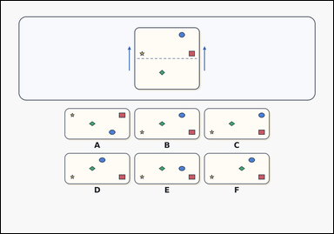 | 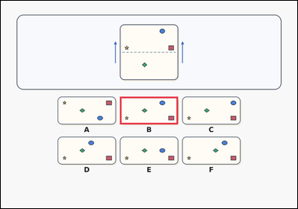 | task_puzzles_spatial_fold_result_label | horizontal_fold_result | Use the marked paper and labeled options in the image: a card-style paper-fold puzzle with one marked sheet above six labeled folded-result options. Determine which option shows the paper after folding along the dashed line in the direction shown by the outside arrows. Choose the option that shows the paper after the indicated fold. Answer with the option letter. Return a valid JSON object with keys "evidence" and "answer" in that order. Evidence requirement: set "evidence" to an array containing exactly one bounding box [x1, y1, x2, y2] for the correct folded-result option image. Answer format: set "answer" to the exact option letter of the correct image option. Example JSON: {"evidence":[[482,388,718,500]],"answer":"B"} | Use the marked paper and labeled options in the image: a card-style paper-fold puzzle with one marked sheet above six labeled folded-result options. Determine which option shows the paper after folding along the dashed line in the direction shown by the outside arrows. Choose the option that shows the paper after the indicated fold. Answer with the option letter. Return a valid JSON object with key "answer". Answer field: set "answer" to the exact option letter of the correct image option. Example JSON: {"answer":"B"} | {"evidence": [[482.08, 388.0, 717.92, 500.48]], "answer": "B"} | [[482.08, 388.0, 717.92, 500.48]] | option_letter | bbox_set | 154599429425919 | puzzles/task_puzzles_spatial_fold_result_label/images/horizontal_fold_result/0009.png | puzzles/task_puzzles_spatial_fold_result_label/data/horizontal_fold_result/0009.json
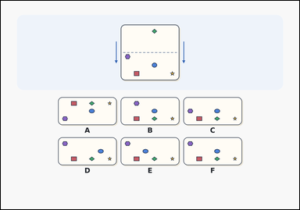 | 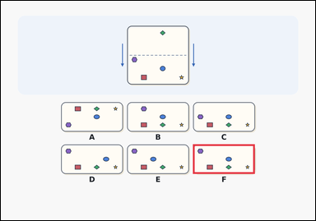 | task_puzzles_spatial_fold_result_label | horizontal_fold_result | The image shows a paper-fold puzzle with one marked sheet above six labeled folded-result options. Fold the paper along the dashed line in the direction of the outside arrows, then choose the correct option. Which labeled option is the correct folded result? Answer with the option letter. Return a valid JSON object with keys "evidence" and "answer" in that order. Evidence: set "evidence" to an array containing exactly one bounding box [x1, y1, x2, y2] for the correct folded-result option image. Answer: set "answer" to the exact option letter of the correct image option. Example JSON: {"evidence":[[482,388,718,500]],"answer":"B"} | The image shows a paper-fold puzzle with one marked sheet above six labeled folded-result options. Fold the paper along the dashed line in the direction of the outside arrows, then choose the correct option. Which labeled option is the correct folded result? Answer with the option letter. Return a valid JSON object with key "answer". Answer field: set "answer" to the exact option letter of the correct image option. Example JSON: {"answer":"B"} | {"evidence": [[733.92, 549.98, 969.76, 662.46]], "answer": "F"} | [[733.92, 549.98, 969.76, 662.46]] | option_letter | bbox_set | 444162951404109 | puzzles/task_puzzles_spatial_fold_result_label/images/horizontal_fold_result/0011.png | puzzles/task_puzzles_spatial_fold_result_label/data/horizontal_fold_result/0011.json
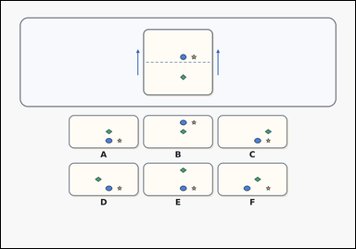 | 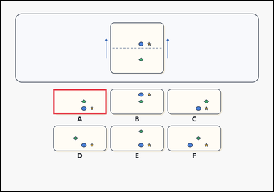 | task_puzzles_spatial_fold_result_label | horizontal_fold_result | You are given a card-style paper-fold puzzle with one marked sheet above six labeled folded-result options. Use the paper-fold diagram to find the correct folded result option. Select the labeled option that matches the folded paper. Answer with the option letter. Return a valid JSON object with keys "evidence" and "answer" in that order. Evidence format: set "evidence" to an array containing exactly one bounding box [x1, y1, x2, y2] for the correct folded-result option image. Answer requirement: set "answer" to the exact option letter of the correct image option. Example JSON: {"evidence":[[482,388,718,500]],"answer":"B"} | You are given a card-style paper-fold puzzle with one marked sheet above six labeled folded-result options. Use the paper-fold diagram to find the correct folded result option. Select the labeled option that matches the folded paper. Answer with the option letter. Return a valid JSON object with key "answer". Answer rule: set "answer" to the exact option letter of the correct image option. Example JSON: {"answer":"B"} | {"evidence": [[230.24, 388.0, 466.08, 500.48]], "answer": "A"} | [[230.24, 388.0, 466.08, 500.48]] | option_letter | bbox_set | 656055592294538 | puzzles/task_puzzles_spatial_fold_result_label/images/horizontal_fold_result/0015.png | puzzles/task_puzzles_spatial_fold_result_label/data/horizontal_fold_result/0015.json
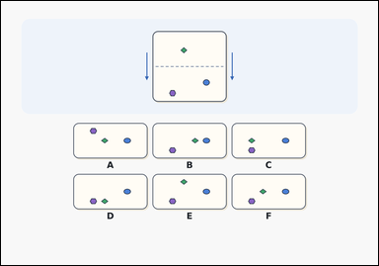 | 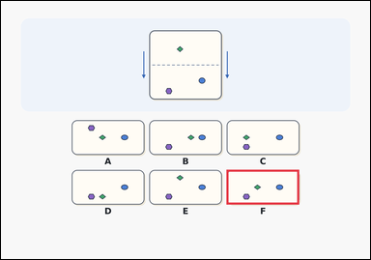 | task_puzzles_spatial_fold_result_label | horizontal_fold_result | You are given a paper-fold puzzle with one marked sheet above six labeled folded-result options. Use the paper-fold diagram to find the correct folded result option. Which labeled option is the correct folded result? Answer with the option letter. Return a valid JSON object with keys "evidence" and "answer" in that order. Evidence format: set "evidence" to an array containing exactly one bounding box [x1, y1, x2, y2] for the correct folded-result option image. Answer requirement: set "answer" to the exact option letter of the correct image option. Example JSON: {"evidence":[[482,388,718,500]],"answer":"B"} | You are given a paper-fold puzzle with one marked sheet above six labeled folded-result options. Use the paper-fold diagram to find the correct folded result option. Which labeled option is the correct folded result? Answer with the option letter. Return a valid JSON object with key "answer". Answer field: set "answer" to the exact option letter of the correct image option. Example JSON: {"answer":"B"} | {"evidence": [[733.92, 549.98, 969.76, 662.46]], "answer": "F"} | [[733.92, 549.98, 969.76, 662.46]] | option_letter | bbox_set | 715641710794923 | puzzles/task_puzzles_spatial_fold_result_label/images/horizontal_fold_result/0014.png | puzzles/task_puzzles_spatial_fold_result_label/data/horizontal_fold_result/0014.json
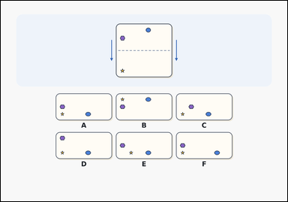 | 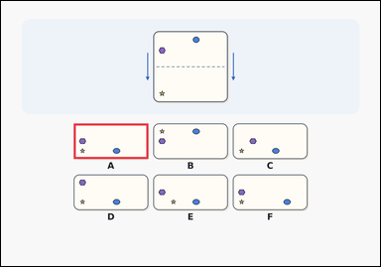 | task_puzzles_spatial_fold_result_label | horizontal_fold_result | The image shows a paper-fold puzzle with one marked sheet above six labeled folded-result options. Use the fold line and outside arrows to determine which labeled option shows the folded result. Which option shows the paper after it is folded? Answer with the option letter. Return a valid JSON object with keys "evidence" and "answer" in that order. Evidence: set "evidence" to an array containing exactly one bounding box [x1, y1, x2, y2] for the correct folded-result option image. Answer: set "answer" to the exact option letter of the correct image option. Example JSON: {"evidence":[[482,388,718,500]],"answer":"B"} | The image shows a paper-fold puzzle with one marked sheet above six labeled folded-result options. Use the fold line and outside arrows to determine which labeled option shows the folded result. Which option shows the paper after it is folded? Answer with the option letter. Return a valid JSON object with key "answer". Answer: set "answer" to the exact option letter of the correct image option. Example JSON: {"answer":"B"} | {"evidence": [[230.24, 388.0, 466.08, 500.48]], "answer": "A"} | [[230.24, 388.0, 466.08, 500.48]] | option_letter | bbox_set | 886134114544192 | puzzles/task_puzzles_spatial_fold_result_label/images/horizontal_fold_result/0002.png | puzzles/task_puzzles_spatial_fold_result_label/data/horizontal_fold_result/0002.json
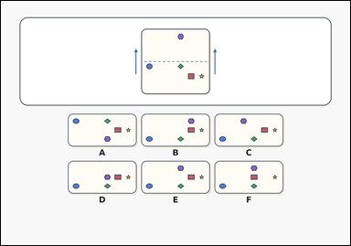 | 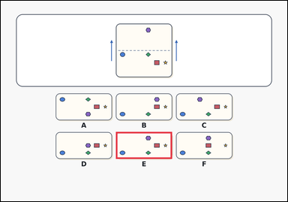 | task_puzzles_spatial_fold_result_label | horizontal_fold_result | You are given an outline-style paper-fold puzzle with one marked sheet above six labeled folded-result options. Determine which option shows the paper after folding along the dashed line in the direction shown by the outside arrows. Which option shows the paper after it is folded? Answer with the option letter. Return a valid JSON object with keys "evidence" and "answer" in that order. Evidence requirement: set "evidence" to an array containing exactly one bounding box [x1, y1, x2, y2] for the correct folded-result option image. Answer format: set "answer" to the exact option letter of the correct image option. Example JSON: {"evidence":[[482,388,718,500]],"answer":"B"} | You are given an outline-style paper-fold puzzle with one marked sheet above six labeled folded-result options. Determine which option shows the paper after folding along the dashed line in the direction shown by the outside arrows. Which option shows the paper after it is folded? Answer with the option letter. Return a valid JSON object with key "answer". Answer format: set "answer" to the exact option letter of the correct image option. Example JSON: {"answer":"B"} | {"evidence": [[482.08, 549.98, 717.92, 662.46]], "answer": "E"} | [[482.08, 549.98, 717.92, 662.46]] | option_letter | bbox_set | 1.0505433972E+15 | puzzles/task_puzzles_spatial_fold_result_label/images/horizontal_fold_result/0022.png | puzzles/task_puzzles_spatial_fold_result_label/data/horizontal_fold_result/0022.json
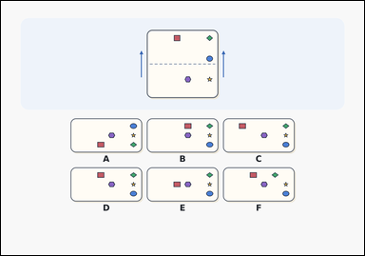 | 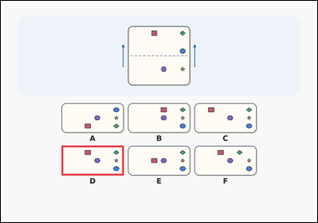 | task_puzzles_spatial_fold_result_label | horizontal_fold_result | You are given a paper-fold puzzle with one marked sheet above six labeled folded-result options. Determine which option shows the paper after folding along the dashed line in the direction shown by the outside arrows. Which option gives the correct folded-paper result? Answer with the option letter. Return a valid JSON object with keys "evidence" and "answer" in that order. Evidence field: set "evidence" to an array containing exactly one bounding box [x1, y1, x2, y2] for the correct folded-result option image. Answer field: set "answer" to the exact option letter of the correct image option. Example JSON: {"evidence":[[482,388,718,500]],"answer":"B"} | You are given a paper-fold puzzle with one marked sheet above six labeled folded-result options. Determine which option shows the paper after folding along the dashed line in the direction shown by the outside arrows. Which option gives the correct folded-paper result? Answer with the option letter. Return a valid JSON object with key "answer". Answer requirement: set "answer" to the exact option letter of the correct image option. Example JSON: {"answer":"B"} | {"evidence": [[230.24, 549.98, 466.08, 662.46]], "answer": "D"} | [[230.24, 549.98, 466.08, 662.46]] | option_letter | bbox_set | 1.2738887618E+15 | puzzles/task_puzzles_spatial_fold_result_label/images/horizontal_fold_result/0020.png | puzzles/task_puzzles_spatial_fold_result_label/data/horizontal_fold_result/0020.json
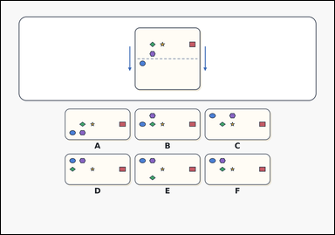 | 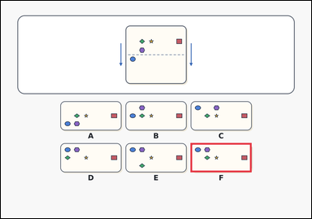 | task_puzzles_spatial_fold_result_label | horizontal_fold_result | You are given an outline-style paper-fold puzzle with one marked sheet above six labeled folded-result options. Use the paper-fold diagram to find the correct folded result option. Which option shows the paper after it is folded? Answer with the option letter. Return a valid JSON object with keys "evidence" and "answer" in that order. Evidence field: set "evidence" to an array containing exactly one bounding box [x1, y1, x2, y2] for the correct folded-result option image. Answer field: set "answer" to the exact option letter of the correct image option. Example JSON: {"evidence":[[482,388,718,500]],"answer":"B"} | You are given an outline-style paper-fold puzzle with one marked sheet above six labeled folded-result options. Use the paper-fold diagram to find the correct folded result option. Which option shows the paper after it is folded? Answer with the option letter. Return a valid JSON object with key "answer". Answer format: set "answer" to the exact option letter of the correct image option. Example JSON: {"answer":"B"} | {"evidence": [[733.92, 549.98, 969.76, 662.46]], "answer": "F"} | [[733.92, 549.98, 969.76, 662.46]] | option_letter | bbox_set | 1.4647222174E+15 | puzzles/task_puzzles_spatial_fold_result_label/images/horizontal_fold_result/0004.png | puzzles/task_puzzles_spatial_fold_result_label/data/horizontal_fold_result/0004.json
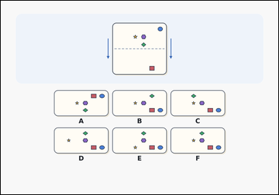 | 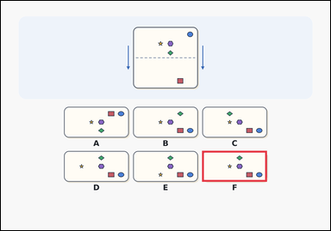 | task_puzzles_spatial_fold_result_label | horizontal_fold_result | You are given a paper-fold puzzle with one marked sheet above six labeled folded-result options. Determine which option shows the paper after folding along the dashed line in the direction shown by the outside arrows. Which option gives the correct folded-paper result? Answer with the option letter. Return a valid JSON object with keys "evidence" and "answer" in that order. Evidence requirement: set "evidence" to an array containing exactly one bounding box [x1, y1, x2, y2] for the correct folded-result option image. Answer format: set "answer" to the exact option letter of the correct image option. Example JSON: {"evidence":[[482,388,718,500]],"answer":"B"} | You are given a paper-fold puzzle with one marked sheet above six labeled folded-result options. Determine which option shows the paper after folding along the dashed line in the direction shown by the outside arrows. Which option gives the correct folded-paper result? Answer with the option letter. Return a valid JSON object with key "answer". Answer requirement: set "answer" to the exact option letter of the correct image option. Example JSON: {"answer":"B"} | {"evidence": [[733.92, 549.98, 969.76, 662.46]], "answer": "F"} | [[733.92, 549.98, 969.76, 662.46]] | option_letter | bbox_set | 1.8156443272E+15 | puzzles/task_puzzles_spatial_fold_result_label/images/horizontal_fold_result/0007.png | puzzles/task_puzzles_spatial_fold_result_label/data/horizontal_fold_result/0007.json
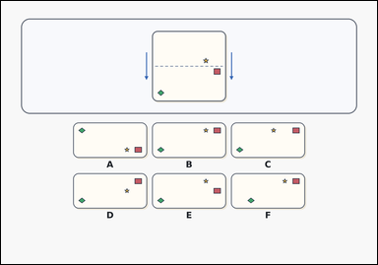 | 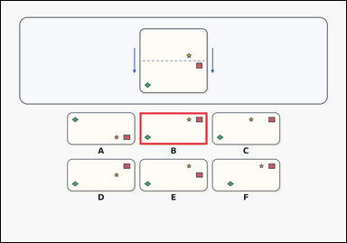 | task_puzzles_spatial_fold_result_label | horizontal_fold_result | The image shows a card-style paper-fold puzzle with one marked sheet above six labeled folded-result options. Determine which option shows the paper after folding along the dashed line in the direction shown by the outside arrows. Which labeled option is the correct folded result? Answer with the option letter. Return a valid JSON object with keys "evidence" and "answer" in that order. Evidence field: set "evidence" to an array containing exactly one bounding box [x1, y1, x2, y2] for the correct folded-result option image. Answer field: set "answer" to the exact option letter of the correct image option. Example JSON: {"evidence":[[482,388,718,500]],"answer":"B"} | The image shows a card-style paper-fold puzzle with one marked sheet above six labeled folded-result options. Determine which option shows the paper after folding along the dashed line in the direction shown by the outside arrows. Which labeled option is the correct folded result? Answer with the option letter. Return a valid JSON object with key "answer". Answer format: set "answer" to the exact option letter of the correct image option. Example JSON: {"answer":"B"} | {"evidence": [[482.08, 388.0, 717.92, 500.48]], "answer": "B"} | [[482.08, 388.0, 717.92, 500.48]] | option_letter | bbox_set | 3.6082567909E+15 | puzzles/task_puzzles_spatial_fold_result_label/images/horizontal_fold_result/0017.png | puzzles/task_puzzles_spatial_fold_result_label/data/horizontal_fold_result/0017.json
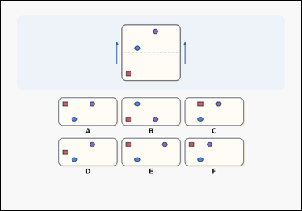 | 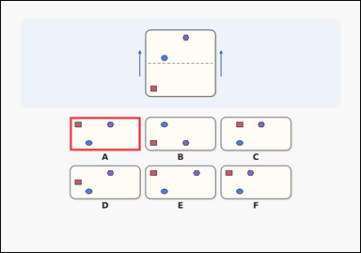 | task_puzzles_spatial_fold_result_label | horizontal_fold_result | The image shows a paper-fold puzzle with one marked sheet above six labeled folded-result options. Work from the marked sheet and choose the option that matches the paper after it is folded. Which labeled option is the correct folded result? Answer with the option letter. Return a valid JSON object with keys "evidence" and "answer" in that order. Evidence requirement: set "evidence" to an array containing exactly one bounding box [x1, y1, x2, y2] for the correct folded-result option image. Answer format: set "answer" to the exact option letter of the correct image option. Example JSON: {"evidence":[[482,388,718,500]],"answer":"B"} | The image shows a paper-fold puzzle with one marked sheet above six labeled folded-result options. Work from the marked sheet and choose the option that matches the paper after it is folded. Which labeled option is the correct folded result? Answer with the option letter. Return a valid JSON object with key "answer". Answer format: set "answer" to the exact option letter of the correct image option. Example JSON: {"answer":"B"} | {"evidence": [[230.24, 388.0, 466.08, 500.48]], "answer": "A"} | [[230.24, 388.0, 466.08, 500.48]] | option_letter | bbox_set | 3.8508747971E+15 | puzzles/task_puzzles_spatial_fold_result_label/images/horizontal_fold_result/0008.png | puzzles/task_puzzles_spatial_fold_result_label/data/horizontal_fold_result/0008.json
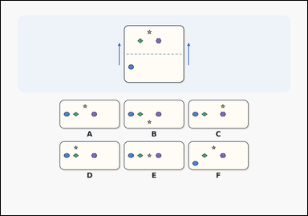 | 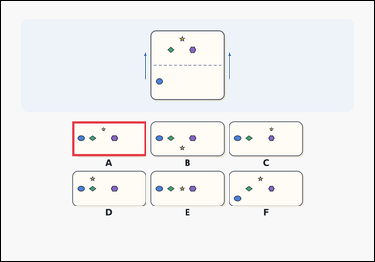 | task_puzzles_spatial_fold_result_label | horizontal_fold_result | Use the marked paper and labeled options in the image: a paper-fold puzzle with one marked sheet above six labeled folded-result options. Use the paper-fold diagram to find the correct folded result option. Which option shows the paper after it is folded? Answer with the option letter. Return a valid JSON object with keys "evidence" and "answer" in that order. Evidence: set "evidence" to an array containing exactly one bounding box [x1, y1, x2, y2] for the correct folded-result option image. Answer: set "answer" to the exact option letter of the correct image option. Example JSON: {"evidence":[[482,388,718,500]],"answer":"B"} | Use the marked paper and labeled options in the image: a paper-fold puzzle with one marked sheet above six labeled folded-result options. Use the paper-fold diagram to find the correct folded result option. Which option shows the paper after it is folded? Answer with the option letter. Return a valid JSON object with key "answer". Answer field: set "answer" to the exact option letter of the correct image option. Example JSON: {"answer":"B"} | {"evidence": [[230.24, 388.0, 466.08, 500.48]], "answer": "A"} | [[230.24, 388.0, 466.08, 500.48]] | option_letter | bbox_set | 4.0733409348E+15 | puzzles/task_puzzles_spatial_fold_result_label/images/horizontal_fold_result/0023.png | puzzles/task_puzzles_spatial_fold_result_label/data/horizontal_fold_result/0023.json
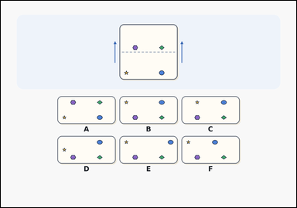 | 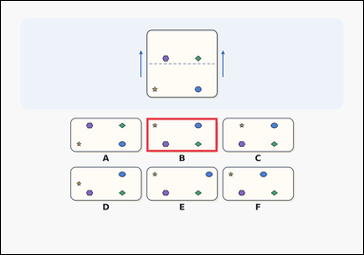 | task_puzzles_spatial_fold_result_label | horizontal_fold_result | You are given a paper-fold puzzle with one marked sheet above six labeled folded-result options. Work from the marked sheet and choose the option that matches the paper after it is folded. Which option gives the correct folded-paper result? Answer with the option letter. Return a valid JSON object with keys "evidence" and "answer" in that order. Evidence: set "evidence" to an array containing exactly one bounding box [x1, y1, x2, y2] for the correct folded-result option image. Answer: set "answer" to the exact option letter of the correct image option. Example JSON: {"evidence":[[482,388,718,500]],"answer":"B"} | You are given a paper-fold puzzle with one marked sheet above six labeled folded-result options. Work from the marked sheet and choose the option that matches the paper after it is folded. Which option gives the correct folded-paper result? Answer with the option letter. Return a valid JSON object with key "answer". Answer format: set "answer" to the exact option letter of the correct image option. Example JSON: {"answer":"B"} | {"evidence": [[482.08, 388.0, 717.92, 500.48]], "answer": "B"} | [[482.08, 388.0, 717.92, 500.48]] | option_letter | bbox_set | 4.6532709927E+15 | puzzles/task_puzzles_spatial_fold_result_label/images/horizontal_fold_result/0003.png | puzzles/task_puzzles_spatial_fold_result_label/data/horizontal_fold_result/0003.json
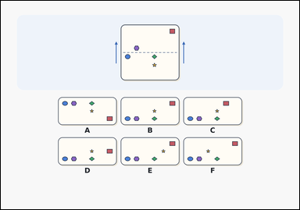 | 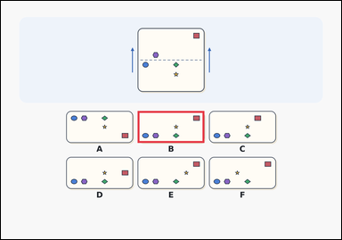 | task_puzzles_spatial_fold_result_label | horizontal_fold_result | You are given a paper-fold puzzle with one marked sheet above six labeled folded-result options. Use the fold line and outside arrows to determine which labeled option shows the folded result. Select the labeled option that matches the folded paper. Answer with the option letter. Return a valid JSON object with keys "evidence" and "answer" in that order. Evidence: set "evidence" to an array containing exactly one bounding box [x1, y1, x2, y2] for the correct folded-result option image. Answer: set "answer" to the exact option letter of the correct image option. Example JSON: {"evidence":[[482,388,718,500]],"answer":"B"} | You are given a paper-fold puzzle with one marked sheet above six labeled folded-result options. Use the fold line and outside arrows to determine which labeled option shows the folded result. Select the labeled option that matches the folded paper. Answer with the option letter. Return a valid JSON object with key "answer". Answer format: set "answer" to the exact option letter of the correct image option. Example JSON: {"answer":"B"} | {"evidence": [[482.08, 388.0, 717.92, 500.48]], "answer": "B"} | [[482.08, 388.0, 717.92, 500.48]] | option_letter | bbox_set | 4.968428959E+15 | puzzles/task_puzzles_spatial_fold_result_label/images/horizontal_fold_result/0024.png | puzzles/task_puzzles_spatial_fold_result_label/data/horizontal_fold_result/0024.json
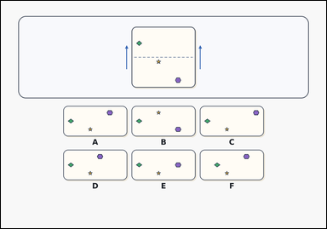 | 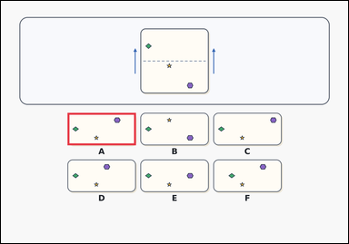 | task_puzzles_spatial_fold_result_label | horizontal_fold_result | Look at the paper-fold puzzle in the image: a card-style paper-fold puzzle with one marked sheet above six labeled folded-result options. Work from the marked sheet and choose the option that matches the paper after it is folded. Which option gives the correct folded-paper result? Answer with the option letter. Return a valid JSON object with keys "evidence" and "answer" in that order. Evidence: set "evidence" to an array containing exactly one bounding box [x1, y1, x2, y2] for the correct folded-result option image. Answer: set "answer" to the exact option letter of the correct image option. Example JSON: {"evidence":[[482,388,718,500]],"answer":"B"} | Look at the paper-fold puzzle in the image: a card-style paper-fold puzzle with one marked sheet above six labeled folded-result options. Work from the marked sheet and choose the option that matches the paper after it is folded. Which option gives the correct folded-paper result? Answer with the option letter. Return a valid JSON object with key "answer". Answer rule: set "answer" to the exact option letter of the correct image option. Example JSON: {"answer":"B"} | {"evidence": [[230.24, 388.0, 466.08, 500.48]], "answer": "A"} | [[230.24, 388.0, 466.08, 500.48]] | option_letter | bbox_set | 5.0530766362E+15 | puzzles/task_puzzles_spatial_fold_result_label/images/horizontal_fold_result/0016.png | puzzles/task_puzzles_spatial_fold_result_label/data/horizontal_fold_result/0016.json
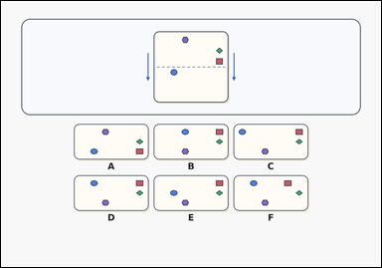 | 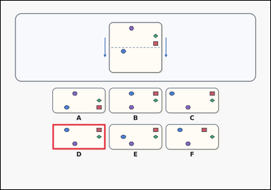 | task_puzzles_spatial_fold_result_label | horizontal_fold_result | You are given a card-style paper-fold puzzle with one marked sheet above six labeled folded-result options. Fold the paper along the dashed line in the direction of the outside arrows, then choose the correct option. Select the labeled option that matches the folded paper. Answer with the option letter. Return a valid JSON object with keys "evidence" and "answer" in that order. Evidence requirement: set "evidence" to an array containing exactly one bounding box [x1, y1, x2, y2] for the correct folded-result option image. Answer format: set "answer" to the exact option letter of the correct image option. Example JSON: {"evidence":[[482,388,718,500]],"answer":"B"} | You are given a card-style paper-fold puzzle with one marked sheet above six labeled folded-result options. Fold the paper along the dashed line in the direction of the outside arrows, then choose the correct option. Select the labeled option that matches the folded paper. Answer with the option letter. Return a valid JSON object with key "answer". Answer rule: set "answer" to the exact option letter of the correct image option. Example JSON: {"answer":"B"} | {"evidence": [[230.24, 549.98, 466.08, 662.46]], "answer": "D"} | [[230.24, 549.98, 466.08, 662.46]] | option_letter | bbox_set | 5.5779743255E+15 | puzzles/task_puzzles_spatial_fold_result_label/images/horizontal_fold_result/0021.png | puzzles/task_puzzles_spatial_fold_result_label/data/horizontal_fold_result/0021.json
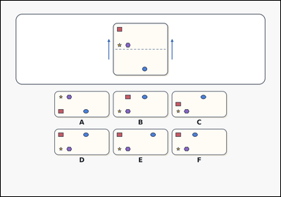 | 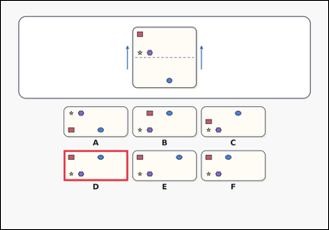 | task_puzzles_spatial_fold_result_label | horizontal_fold_result | Use the marked paper and labeled options in the image: an outline-style paper-fold puzzle with one marked sheet above six labeled folded-result options. Work from the marked sheet and choose the option that matches the paper after it is folded. Which option gives the correct folded-paper result? Answer with the option letter. Return a valid JSON object with keys "evidence" and "answer" in that order. Evidence requirement: set "evidence" to an array containing exactly one bounding box [x1, y1, x2, y2] for the correct folded-result option image. Answer format: set "answer" to the exact option letter of the correct image option. Example JSON: {"evidence":[[482,388,718,500]],"answer":"B"} | Use the marked paper and labeled options in the image: an outline-style paper-fold puzzle with one marked sheet above six labeled folded-result options. Work from the marked sheet and choose the option that matches the paper after it is folded. Which option gives the correct folded-paper result? Answer with the option letter. Return a valid JSON object with key "answer". Answer format: set "answer" to the exact option letter of the correct image option. Example JSON: {"answer":"B"} | {"evidence": [[230.24, 549.98, 466.08, 662.46]], "answer": "D"} | [[230.24, 549.98, 466.08, 662.46]] | option_letter | bbox_set | 5.7354823458E+15 | puzzles/task_puzzles_spatial_fold_result_label/images/horizontal_fold_result/0018.png | puzzles/task_puzzles_spatial_fold_result_label/data/horizontal_fold_result/0018.json
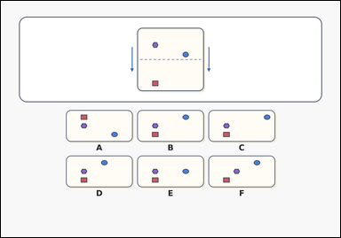 | 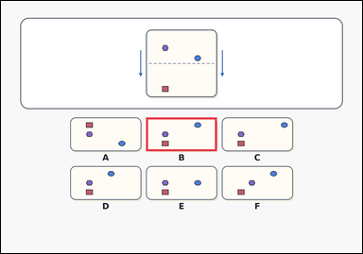 | task_puzzles_spatial_fold_result_label | horizontal_fold_result | Look at the paper-fold puzzle in the image: an outline-style paper-fold puzzle with one marked sheet above six labeled folded-result options. Use the fold line and outside arrows to determine which labeled option shows the folded result. Which option shows the paper after it is folded? Answer with the option letter. Return a valid JSON object with keys "evidence" and "answer" in that order. Evidence rule: set "evidence" to an array containing exactly one bounding box [x1, y1, x2, y2] for the correct folded-result option image. Answer rule: set "answer" to the exact option letter of the correct image option. Example JSON: {"evidence":[[482,388,718,500]],"answer":"B"} | Look at the paper-fold puzzle in the image: an outline-style paper-fold puzzle with one marked sheet above six labeled folded-result options. Use the fold line and outside arrows to determine which labeled option shows the folded result. Which option shows the paper after it is folded? Answer with the option letter. Return a valid JSON object with key "answer". Answer: set "answer" to the exact option letter of the correct image option. Example JSON: {"answer":"B"} | {"evidence": [[482.08, 388.0, 717.92, 500.48]], "answer": "B"} | [[482.08, 388.0, 717.92, 500.48]] | option_letter | bbox_set | 5.7855112062E+15 | puzzles/task_puzzles_spatial_fold_result_label/images/horizontal_fold_result/0010.png | puzzles/task_puzzles_spatial_fold_result_label/data/horizontal_fold_result/0010.json
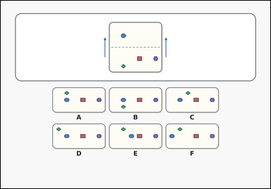 | 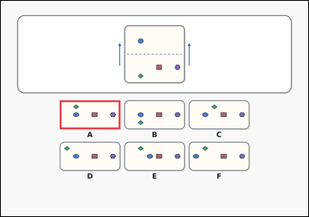 | task_puzzles_spatial_fold_result_label | horizontal_fold_result | You are given an outline-style paper-fold puzzle with one marked sheet above six labeled folded-result options. Work from the marked sheet and choose the option that matches the paper after it is folded. Which option shows the paper after it is folded? Answer with the option letter. Return a valid JSON object with keys "evidence" and "answer" in that order. Evidence format: set "evidence" to an array containing exactly one bounding box [x1, y1, x2, y2] for the correct folded-result option image. Answer requirement: set "answer" to the exact option letter of the correct image option. Example JSON: {"evidence":[[482,388,718,500]],"answer":"B"} | You are given an outline-style paper-fold puzzle with one marked sheet above six labeled folded-result options. Work from the marked sheet and choose the option that matches the paper after it is folded. Which option shows the paper after it is folded? Answer with the option letter. Return a valid JSON object with key "answer". Answer format: set "answer" to the exact option letter of the correct image option. Example JSON: {"answer":"B"} | {"evidence": [[230.24, 388.0, 466.08, 500.48]], "answer": "A"} | [[230.24, 388.0, 466.08, 500.48]] | option_letter | bbox_set | 6.7332359531E+15 | puzzles/task_puzzles_spatial_fold_result_label/images/horizontal_fold_result/0005.png | puzzles/task_puzzles_spatial_fold_result_label/data/horizontal_fold_result/0005.json
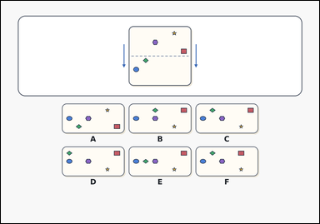 | 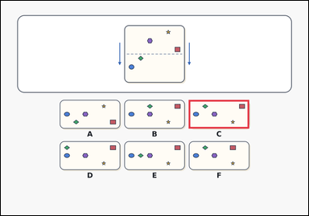 | task_puzzles_spatial_fold_result_label | horizontal_fold_result | Work from the paper-fold diagram shown in the image: an outline-style paper-fold puzzle with one marked sheet above six labeled folded-result options. Fold the paper along the dashed line in the direction of the outside arrows, then choose the correct option. Which option shows the paper after it is folded? Answer with the option letter. Return a valid JSON object with keys "evidence" and "answer" in that order. Evidence field: set "evidence" to an array containing exactly one bounding box [x1, y1, x2, y2] for the correct folded-result option image. Answer field: set "answer" to the exact option letter of the correct image option. Example JSON: {"evidence":[[482,388,718,500]],"answer":"B"} | Work from the paper-fold diagram shown in the image: an outline-style paper-fold puzzle with one marked sheet above six labeled folded-result options. Fold the paper along the dashed line in the direction of the outside arrows, then choose the correct option. Which option shows the paper after it is folded? Answer with the option letter. Return a valid JSON object with key "answer". Answer format: set "answer" to the exact option letter of the correct image option. Example JSON: {"answer":"B"} | {"evidence": [[733.92, 388.0, 969.76, 500.48]], "answer": "C"} | [[733.92, 388.0, 969.76, 500.48]] | option_letter | bbox_set | 7.187103021E+15 | puzzles/task_puzzles_spatial_fold_result_label/images/horizontal_fold_result/0000.png | puzzles/task_puzzles_spatial_fold_result_label/data/horizontal_fold_result/0000.json
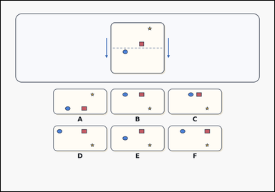 | 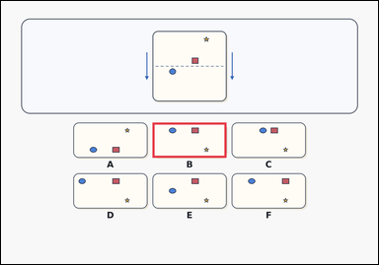 | task_puzzles_spatial_fold_result_label | horizontal_fold_result | Use the marked paper and labeled options in the image: a card-style paper-fold puzzle with one marked sheet above six labeled folded-result options. Use the fold line and outside arrows to determine which labeled option shows the folded result. Which option shows the paper after it is folded? Answer with the option letter. Return a valid JSON object with keys "evidence" and "answer" in that order. Evidence requirement: set "evidence" to an array containing exactly one bounding box [x1, y1, x2, y2] for the correct folded-result option image. Answer format: set "answer" to the exact option letter of the correct image option. Example JSON: {"evidence":[[482,388,718,500]],"answer":"B"} | Use the marked paper and labeled options in the image: a card-style paper-fold puzzle with one marked sheet above six labeled folded-result options. Use the fold line and outside arrows to determine which labeled option shows the folded result. Which option shows the paper after it is folded? Answer with the option letter. Return a valid JSON object with key "answer". Answer requirement: set "answer" to the exact option letter of the correct image option. Example JSON: {"answer":"B"} | {"evidence": [[482.08, 388.0, 717.92, 500.48]], "answer": "B"} | [[482.08, 388.0, 717.92, 500.48]] | option_letter | bbox_set | 7.3653999114E+15 | puzzles/task_puzzles_spatial_fold_result_label/images/horizontal_fold_result/0019.png | puzzles/task_puzzles_spatial_fold_result_label/data/horizontal_fold_result/0019.json
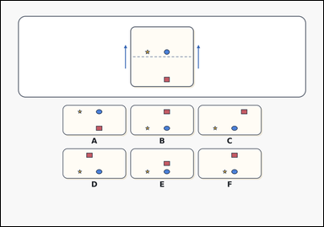 | 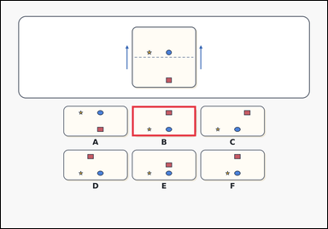 | task_puzzles_spatial_fold_result_label | horizontal_fold_result | The image shows an outline-style paper-fold puzzle with one marked sheet above six labeled folded-result options. Fold the paper along the dashed line in the direction of the outside arrows, then choose the correct option. Which labeled option is the correct folded result? Answer with the option letter. Return a valid JSON object with keys "evidence" and "answer" in that order. Evidence format: set "evidence" to an array containing exactly one bounding box [x1, y1, x2, y2] for the correct folded-result option image. Answer requirement: set "answer" to the exact option letter of the correct image option. Example JSON: {"evidence":[[482,388,718,500]],"answer":"B"} | The image shows an outline-style paper-fold puzzle with one marked sheet above six labeled folded-result options. Fold the paper along the dashed line in the direction of the outside arrows, then choose the correct option. Which labeled option is the correct folded result? Answer with the option letter. Return a valid JSON object with key "answer". Answer rule: set "answer" to the exact option letter of the correct image option. Example JSON: {"answer":"B"} | {"evidence": [[482.08, 388.0, 717.92, 500.48]], "answer": "B"} | [[482.08, 388.0, 717.92, 500.48]] | option_letter | bbox_set | 7.3906939582E+15 | puzzles/task_puzzles_spatial_fold_result_label/images/horizontal_fold_result/0006.png | puzzles/task_puzzles_spatial_fold_result_label/data/horizontal_fold_result/0006.json
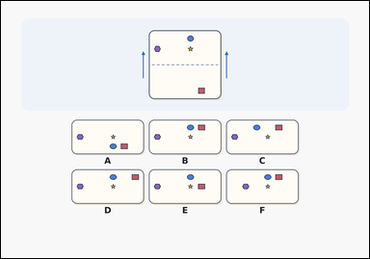 | 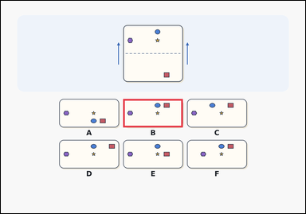 | task_puzzles_spatial_fold_result_label | horizontal_fold_result | Look at the paper-fold puzzle in the image: a paper-fold puzzle with one marked sheet above six labeled folded-result options. Use the paper-fold diagram to find the correct folded result option. Which labeled option is the correct folded result? Answer with the option letter. Return a valid JSON object with keys "evidence" and "answer" in that order. Evidence field: set "evidence" to an array containing exactly one bounding box [x1, y1, x2, y2] for the correct folded-result option image. Answer field: set "answer" to the exact option letter of the correct image option. Example JSON: {"evidence":[[482,388,718,500]],"answer":"B"} | Look at the paper-fold puzzle in the image: a paper-fold puzzle with one marked sheet above six labeled folded-result options. Use the paper-fold diagram to find the correct folded result option. Which labeled option is the correct folded result? Answer with the option letter. Return a valid JSON object with key "answer". Answer requirement: set "answer" to the exact option letter of the correct image option. Example JSON: {"answer":"B"} | {"evidence": [[482.08, 388.0, 717.92, 500.48]], "answer": "B"} | [[482.08, 388.0, 717.92, 500.48]] | option_letter | bbox_set | 7.6458127749E+15 | puzzles/task_puzzles_spatial_fold_result_label/images/horizontal_fold_result/0013.png | puzzles/task_puzzles_spatial_fold_result_label/data/horizontal_fold_result/0013.json
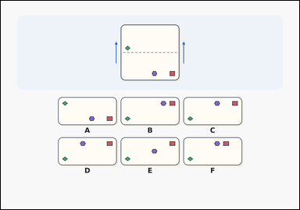 | 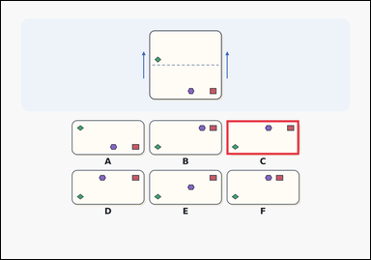 | task_puzzles_spatial_fold_result_label | horizontal_fold_result | Look at the paper-fold puzzle in the image: a paper-fold puzzle with one marked sheet above six labeled folded-result options. Determine which option shows the paper after folding along the dashed line in the direction shown by the outside arrows. Choose the option that shows the paper after the indicated fold. Answer with the option letter. Return a valid JSON object with keys "evidence" and "answer" in that order. Evidence: set "evidence" to an array containing exactly one bounding box [x1, y1, x2, y2] for the correct folded-result option image. Answer: set "answer" to the exact option letter of the correct image option. Example JSON: {"evidence":[[482,388,718,500]],"answer":"B"} | Look at the paper-fold puzzle in the image: a paper-fold puzzle with one marked sheet above six labeled folded-result options. Determine which option shows the paper after folding along the dashed line in the direction shown by the outside arrows. Choose the option that shows the paper after the indicated fold. Answer with the option letter. Return a valid JSON object with key "answer". Answer field: set "answer" to the exact option letter of the correct image option. Example JSON: {"answer":"B"} | {"evidence": [[733.92, 388.0, 969.76, 500.48]], "answer": "C"} | [[733.92, 388.0, 969.76, 500.48]] | option_letter | bbox_set | 8.7668874326E+15 | puzzles/task_puzzles_spatial_fold_result_label/images/horizontal_fold_result/0001.png | puzzles/task_puzzles_spatial_fold_result_label/data/horizontal_fold_result/0001.json
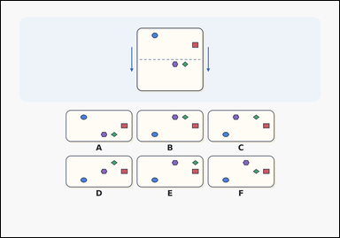 | 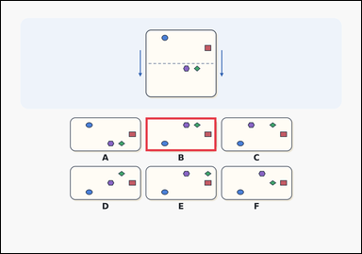 | task_puzzles_spatial_fold_result_label | horizontal_fold_result | The image shows a paper-fold puzzle with one marked sheet above six labeled folded-result options. Work from the marked sheet and choose the option that matches the paper after it is folded. Which labeled option is the correct folded result? Answer with the option letter. Return a valid JSON object with keys "evidence" and "answer" in that order. Evidence requirement: set "evidence" to an array containing exactly one bounding box [x1, y1, x2, y2] for the correct folded-result option image. Answer format: set "answer" to the exact option letter of the correct image option. Example JSON: {"evidence":[[482,388,718,500]],"answer":"B"} | The image shows a paper-fold puzzle with one marked sheet above six labeled folded-result options. Work from the marked sheet and choose the option that matches the paper after it is folded. Which labeled option is the correct folded result? Answer with the option letter. Return a valid JSON object with key "answer". Answer: set "answer" to the exact option letter of the correct image option. Example JSON: {"answer":"B"} | {"evidence": [[482.08, 388.0, 717.92, 500.48]], "answer": "B"} | [[482.08, 388.0, 717.92, 500.48]] | option_letter | bbox_set | 8.7939178005E+15 | puzzles/task_puzzles_spatial_fold_result_label/images/horizontal_fold_result/0012.png | puzzles/task_puzzles_spatial_fold_result_label/data/horizontal_fold_result/0012.json

vertical_fold_result
image | evidence_image | task | task_variant | prompt | prompt_answer_only | answer | answer_evidence | answer_type | evidence_type | instance_seed | image_path | data_path
 |  | task_puzzles_spatial_fold_result_label | vertical_fold_result | The image shows a paper-fold puzzle with one marked sheet above six labeled folded-result options. Fold the paper along the dashed line in the direction of the outside arrows, then choose the correct option. Which labeled option is the correct folded result? Answer with the option letter. Return a valid JSON object with keys "evidence" and "answer" in that order. Evidence format: set "evidence" to an array containing exactly one bounding box [x1, y1, x2, y2] for the correct folded-result option image. Answer requirement: set "answer" to the exact option letter of the correct image option. Example JSON: {"evidence":[[206,388,324,613]],"answer":"A"} | The image shows a paper-fold puzzle with one marked sheet above six labeled folded-result options. Fold the paper along the dashed line in the direction of the outside arrows, then choose the correct option. Which labeled option is the correct folded result? Answer with the option letter. Return a valid JSON object with key "answer". Answer field: set "answer" to the exact option letter of the correct image option. Example JSON: {"answer":"A"} | {"evidence": [[608.0, 388.0, 725.92, 612.96]], "answer": "D"} | [[608.0, 388.0, 725.92, 612.96]] | option_letter | bbox_set | 102244130560767 | puzzles/task_puzzles_spatial_fold_result_label/images/vertical_fold_result/0020.png | puzzles/task_puzzles_spatial_fold_result_label/data/vertical_fold_result/0020.json
 |  | task_puzzles_spatial_fold_result_label | vertical_fold_result | Look at the paper-fold puzzle in the image: an outline-style paper-fold puzzle with one marked sheet above six labeled folded-result options. Use the fold line and outside arrows to determine which labeled option shows the folded result. Which option shows the paper after it is folded? Answer with the option letter. Return a valid JSON object with keys "evidence" and "answer" in that order. Evidence rule: set "evidence" to an array containing exactly one bounding box [x1, y1, x2, y2] for the correct folded-result option image. Answer rule: set "answer" to the exact option letter of the correct image option. Example JSON: {"evidence":[[206,388,324,613]],"answer":"A"} | Look at the paper-fold puzzle in the image: an outline-style paper-fold puzzle with one marked sheet above six labeled folded-result options. Use the fold line and outside arrows to determine which labeled option shows the folded result. Which option shows the paper after it is folded? Answer with the option letter. Return a valid JSON object with key "answer". Answer: set "answer" to the exact option letter of the correct image option. Example JSON: {"answer":"A"} | {"evidence": [[875.84, 388.0, 993.76, 612.96]], "answer": "F"} | [[875.84, 388.0, 993.76, 612.96]] | option_letter | bbox_set | 314717391949097 | puzzles/task_puzzles_spatial_fold_result_label/images/vertical_fold_result/0007.png | puzzles/task_puzzles_spatial_fold_result_label/data/vertical_fold_result/0007.json
 |  | task_puzzles_spatial_fold_result_label | vertical_fold_result | Work from the paper-fold diagram shown in the image: an outline-style paper-fold puzzle with one marked sheet above six labeled folded-result options. Use the paper-fold diagram to find the correct folded result option. Which labeled option is the correct folded result? Answer with the option letter. Return a valid JSON object with keys "evidence" and "answer" in that order. Evidence format: set "evidence" to an array containing exactly one bounding box [x1, y1, x2, y2] for the correct folded-result option image. Answer requirement: set "answer" to the exact option letter of the correct image option. Example JSON: {"evidence":[[206,388,324,613]],"answer":"A"} | Work from the paper-fold diagram shown in the image: an outline-style paper-fold puzzle with one marked sheet above six labeled folded-result options. Use the paper-fold diagram to find the correct folded result option. Which labeled option is the correct folded result? Answer with the option letter. Return a valid JSON object with key "answer". Answer: set "answer" to the exact option letter of the correct image option. Example JSON: {"answer":"A"} | {"evidence": [[206.24, 388.0, 324.16, 612.96]], "answer": "A"} | [[206.24, 388.0, 324.16, 612.96]] | option_letter | bbox_set | 571670357986758 | puzzles/task_puzzles_spatial_fold_result_label/images/vertical_fold_result/0013.png | puzzles/task_puzzles_spatial_fold_result_label/data/vertical_fold_result/0013.json
 |  | task_puzzles_spatial_fold_result_label | vertical_fold_result | Look at the paper-fold puzzle in the image: a paper-fold puzzle with one marked sheet above six labeled folded-result options. Use the paper-fold diagram to find the correct folded result option. Which option gives the correct folded-paper result? Answer with the option letter. Return a valid JSON object with keys "evidence" and "answer" in that order. Evidence rule: set "evidence" to an array containing exactly one bounding box [x1, y1, x2, y2] for the correct folded-result option image. Answer rule: set "answer" to the exact option letter of the correct image option. Example JSON: {"evidence":[[206,388,324,613]],"answer":"A"} | Look at the paper-fold puzzle in the image: a paper-fold puzzle with one marked sheet above six labeled folded-result options. Use the paper-fold diagram to find the correct folded result option. Which option gives the correct folded-paper result? Answer with the option letter. Return a valid JSON object with key "answer". Answer rule: set "answer" to the exact option letter of the correct image option. Example JSON: {"answer":"A"} | {"evidence": [[206.24, 388.0, 324.16, 612.96]], "answer": "A"} | [[206.24, 388.0, 324.16, 612.96]] | option_letter | bbox_set | 1.2285328158E+15 | puzzles/task_puzzles_spatial_fold_result_label/images/vertical_fold_result/0012.png | puzzles/task_puzzles_spatial_fold_result_label/data/vertical_fold_result/0012.json
 |  | task_puzzles_spatial_fold_result_label | vertical_fold_result | Look at the paper-fold puzzle in the image: an outline-style paper-fold puzzle with one marked sheet above six labeled folded-result options. Determine which option shows the paper after folding along the dashed line in the direction shown by the outside arrows. Select the labeled option that matches the folded paper. Answer with the option letter. Return a valid JSON object with keys "evidence" and "answer" in that order. Evidence field: set "evidence" to an array containing exactly one bounding box [x1, y1, x2, y2] for the correct folded-result option image. Answer field: set "answer" to the exact option letter of the correct image option. Example JSON: {"evidence":[[206,388,324,613]],"answer":"A"} | Look at the paper-fold puzzle in the image: an outline-style paper-fold puzzle with one marked sheet above six labeled folded-result options. Determine which option shows the paper after folding along the dashed line in the direction shown by the outside arrows. Select the labeled option that matches the folded paper. Answer with the option letter. Return a valid JSON object with key "answer". Answer rule: set "answer" to the exact option letter of the correct image option. Example JSON: {"answer":"A"} | {"evidence": [[741.92, 388.0, 859.84, 612.96]], "answer": "E"} | [[741.92, 388.0, 859.84, 612.96]] | option_letter | bbox_set | 1.3428602586E+15 | puzzles/task_puzzles_spatial_fold_result_label/images/vertical_fold_result/0018.png | puzzles/task_puzzles_spatial_fold_result_label/data/vertical_fold_result/0018.json
 |  | task_puzzles_spatial_fold_result_label | vertical_fold_result | Work from the paper-fold diagram shown in the image: an outline-style paper-fold puzzle with one marked sheet above six labeled folded-result options. Fold the paper along the dashed line in the direction of the outside arrows, then choose the correct option. Which option gives the correct folded-paper result? Answer with the option letter. Return a valid JSON object with keys "evidence" and "answer" in that order. Evidence format: set "evidence" to an array containing exactly one bounding box [x1, y1, x2, y2] for the correct folded-result option image. Answer requirement: set "answer" to the exact option letter of the correct image option. Example JSON: {"evidence":[[206,388,324,613]],"answer":"A"} | Work from the paper-fold diagram shown in the image: an outline-style paper-fold puzzle with one marked sheet above six labeled folded-result options. Fold the paper along the dashed line in the direction of the outside arrows, then choose the correct option. Which option gives the correct folded-paper result? Answer with the option letter. Return a valid JSON object with key "answer". Answer requirement: set "answer" to the exact option letter of the correct image option. Example JSON: {"answer":"A"} | {"evidence": [[206.24, 388.0, 324.16, 612.96]], "answer": "A"} | [[206.24, 388.0, 324.16, 612.96]] | option_letter | bbox_set | 1.4106116984E+15 | puzzles/task_puzzles_spatial_fold_result_label/images/vertical_fold_result/0015.png | puzzles/task_puzzles_spatial_fold_result_label/data/vertical_fold_result/0015.json
 |  | task_puzzles_spatial_fold_result_label | vertical_fold_result | Look at the paper-fold puzzle in the image: a card-style paper-fold puzzle with one marked sheet above six labeled folded-result options. Use the paper-fold diagram to find the correct folded result option. Choose the option that shows the paper after the indicated fold. Answer with the option letter. Return a valid JSON object with keys "evidence" and "answer" in that order. Evidence: set "evidence" to an array containing exactly one bounding box [x1, y1, x2, y2] for the correct folded-result option image. Answer: set "answer" to the exact option letter of the correct image option. Example JSON: {"evidence":[[206,388,324,613]],"answer":"A"} | Look at the paper-fold puzzle in the image: a card-style paper-fold puzzle with one marked sheet above six labeled folded-result options. Use the paper-fold diagram to find the correct folded result option. Choose the option that shows the paper after the indicated fold. Answer with the option letter. Return a valid JSON object with key "answer". Answer requirement: set "answer" to the exact option letter of the correct image option. Example JSON: {"answer":"A"} | {"evidence": [[608.0, 388.0, 725.92, 612.96]], "answer": "D"} | [[608.0, 388.0, 725.92, 612.96]] | option_letter | bbox_set | 2.258633758E+15 | puzzles/task_puzzles_spatial_fold_result_label/images/vertical_fold_result/0023.png | puzzles/task_puzzles_spatial_fold_result_label/data/vertical_fold_result/0023.json
 |  | task_puzzles_spatial_fold_result_label | vertical_fold_result | Look at the paper-fold puzzle in the image: a card-style paper-fold puzzle with one marked sheet above six labeled folded-result options. Use the fold line and outside arrows to determine which labeled option shows the folded result. Which option gives the correct folded-paper result? Answer with the option letter. Return a valid JSON object with keys "evidence" and "answer" in that order. Evidence: set "evidence" to an array containing exactly one bounding box [x1, y1, x2, y2] for the correct folded-result option image. Answer: set "answer" to the exact option letter of the correct image option. Example JSON: {"evidence":[[206,388,324,613]],"answer":"A"} | Look at the paper-fold puzzle in the image: a card-style paper-fold puzzle with one marked sheet above six labeled folded-result options. Use the fold line and outside arrows to determine which labeled option shows the folded result. Which option gives the correct folded-paper result? Answer with the option letter. Return a valid JSON object with key "answer". Answer requirement: set "answer" to the exact option letter of the correct image option. Example JSON: {"answer":"A"} | {"evidence": [[474.08, 388.0, 592.0, 612.96]], "answer": "C"} | [[474.08, 388.0, 592.0, 612.96]] | option_letter | bbox_set | 2.3373324885E+15 | puzzles/task_puzzles_spatial_fold_result_label/images/vertical_fold_result/0021.png | puzzles/task_puzzles_spatial_fold_result_label/data/vertical_fold_result/0021.json
 |  | task_puzzles_spatial_fold_result_label | vertical_fold_result | The image shows a card-style paper-fold puzzle with one marked sheet above six labeled folded-result options. Fold the paper along the dashed line in the direction of the outside arrows, then choose the correct option. Choose the option that shows the paper after the indicated fold. Answer with the option letter. Return a valid JSON object with keys "evidence" and "answer" in that order. Evidence requirement: set "evidence" to an array containing exactly one bounding box [x1, y1, x2, y2] for the correct folded-result option image. Answer format: set "answer" to the exact option letter of the correct image option. Example JSON: {"evidence":[[206,388,324,613]],"answer":"A"} | The image shows a card-style paper-fold puzzle with one marked sheet above six labeled folded-result options. Fold the paper along the dashed line in the direction of the outside arrows, then choose the correct option. Choose the option that shows the paper after the indicated fold. Answer with the option letter. Return a valid JSON object with key "answer". Answer field: set "answer" to the exact option letter of the correct image option. Example JSON: {"answer":"A"} | {"evidence": [[875.84, 388.0, 993.76, 612.96]], "answer": "F"} | [[875.84, 388.0, 993.76, 612.96]] | option_letter | bbox_set | 2.5105108056E+15 | puzzles/task_puzzles_spatial_fold_result_label/images/vertical_fold_result/0019.png | puzzles/task_puzzles_spatial_fold_result_label/data/vertical_fold_result/0019.json
 |  | task_puzzles_spatial_fold_result_label | vertical_fold_result | Work from the paper-fold diagram shown in the image: a card-style paper-fold puzzle with one marked sheet above six labeled folded-result options. Use the fold line and outside arrows to determine which labeled option shows the folded result. Which labeled option is the correct folded result? Answer with the option letter. Return a valid JSON object with keys "evidence" and "answer" in that order. Evidence rule: set "evidence" to an array containing exactly one bounding box [x1, y1, x2, y2] for the correct folded-result option image. Answer rule: set "answer" to the exact option letter of the correct image option. Example JSON: {"evidence":[[206,388,324,613]],"answer":"A"} | Work from the paper-fold diagram shown in the image: a card-style paper-fold puzzle with one marked sheet above six labeled folded-result options. Use the fold line and outside arrows to determine which labeled option shows the folded result. Which labeled option is the correct folded result? Answer with the option letter. Return a valid JSON object with key "answer". Answer field: set "answer" to the exact option letter of the correct image option. Example JSON: {"answer":"A"} | {"evidence": [[875.84, 388.0, 993.76, 612.96]], "answer": "F"} | [[875.84, 388.0, 993.76, 612.96]] | option_letter | bbox_set | 2.8765756509E+15 | puzzles/task_puzzles_spatial_fold_result_label/images/vertical_fold_result/0008.png | puzzles/task_puzzles_spatial_fold_result_label/data/vertical_fold_result/0008.json
 |  | task_puzzles_spatial_fold_result_label | vertical_fold_result | Look at the paper-fold puzzle in the image: a paper-fold puzzle with one marked sheet above six labeled folded-result options. Work from the marked sheet and choose the option that matches the paper after it is folded. Which option shows the paper after it is folded? Answer with the option letter. Return a valid JSON object with keys "evidence" and "answer" in that order. Evidence requirement: set "evidence" to an array containing exactly one bounding box [x1, y1, x2, y2] for the correct folded-result option image. Answer format: set "answer" to the exact option letter of the correct image option. Example JSON: {"evidence":[[206,388,324,613]],"answer":"A"} | Look at the paper-fold puzzle in the image: a paper-fold puzzle with one marked sheet above six labeled folded-result options. Work from the marked sheet and choose the option that matches the paper after it is folded. Which option shows the paper after it is folded? Answer with the option letter. Return a valid JSON object with key "answer". Answer requirement: set "answer" to the exact option letter of the correct image option. Example JSON: {"answer":"A"} | {"evidence": [[206.24, 388.0, 324.16, 612.96]], "answer": "A"} | [[206.24, 388.0, 324.16, 612.96]] | option_letter | bbox_set | 3.0049703235E+15 | puzzles/task_puzzles_spatial_fold_result_label/images/vertical_fold_result/0002.png | puzzles/task_puzzles_spatial_fold_result_label/data/vertical_fold_result/0002.json
 |  | task_puzzles_spatial_fold_result_label | vertical_fold_result | Use the marked paper and labeled options in the image: a paper-fold puzzle with one marked sheet above six labeled folded-result options. Work from the marked sheet and choose the option that matches the paper after it is folded. Which option shows the paper after it is folded? Answer with the option letter. Return a valid JSON object with keys "evidence" and "answer" in that order. Evidence field: set "evidence" to an array containing exactly one bounding box [x1, y1, x2, y2] for the correct folded-result option image. Answer field: set "answer" to the exact option letter of the correct image option. Example JSON: {"evidence":[[206,388,324,613]],"answer":"A"} | Use the marked paper and labeled options in the image: a paper-fold puzzle with one marked sheet above six labeled folded-result options. Work from the marked sheet and choose the option that matches the paper after it is folded. Which option shows the paper after it is folded? Answer with the option letter. Return a valid JSON object with key "answer". Answer requirement: set "answer" to the exact option letter of the correct image option. Example JSON: {"answer":"A"} | {"evidence": [[608.0, 388.0, 725.92, 612.96]], "answer": "D"} | [[608.0, 388.0, 725.92, 612.96]] | option_letter | bbox_set | 3.8695727068E+15 | puzzles/task_puzzles_spatial_fold_result_label/images/vertical_fold_result/0011.png | puzzles/task_puzzles_spatial_fold_result_label/data/vertical_fold_result/0011.json
 |  | task_puzzles_spatial_fold_result_label | vertical_fold_result | You are given an outline-style paper-fold puzzle with one marked sheet above six labeled folded-result options. Fold the paper along the dashed line in the direction of the outside arrows, then choose the correct option. Which option gives the correct folded-paper result? Answer with the option letter. Return a valid JSON object with keys "evidence" and "answer" in that order. Evidence rule: set "evidence" to an array containing exactly one bounding box [x1, y1, x2, y2] for the correct folded-result option image. Answer rule: set "answer" to the exact option letter of the correct image option. Example JSON: {"evidence":[[206,388,324,613]],"answer":"A"} | You are given an outline-style paper-fold puzzle with one marked sheet above six labeled folded-result options. Fold the paper along the dashed line in the direction of the outside arrows, then choose the correct option. Which option gives the correct folded-paper result? Answer with the option letter. Return a valid JSON object with key "answer". Answer: set "answer" to the exact option letter of the correct image option. Example JSON: {"answer":"A"} | {"evidence": [[340.16, 388.0, 458.08, 612.96]], "answer": "B"} | [[340.16, 388.0, 458.08, 612.96]] | option_letter | bbox_set | 4.0319610734E+15 | puzzles/task_puzzles_spatial_fold_result_label/images/vertical_fold_result/0014.png | puzzles/task_puzzles_spatial_fold_result_label/data/vertical_fold_result/0014.json
 |  | task_puzzles_spatial_fold_result_label | vertical_fold_result | Look at the paper-fold puzzle in the image: a paper-fold puzzle with one marked sheet above six labeled folded-result options. Determine which option shows the paper after folding along the dashed line in the direction shown by the outside arrows. Which option shows the paper after it is folded? Answer with the option letter. Return a valid JSON object with keys "evidence" and "answer" in that order. Evidence requirement: set "evidence" to an array containing exactly one bounding box [x1, y1, x2, y2] for the correct folded-result option image. Answer format: set "answer" to the exact option letter of the correct image option. Example JSON: {"evidence":[[206,388,324,613]],"answer":"A"} | Look at the paper-fold puzzle in the image: a paper-fold puzzle with one marked sheet above six labeled folded-result options. Determine which option shows the paper after folding along the dashed line in the direction shown by the outside arrows. Which option shows the paper after it is folded? Answer with the option letter. Return a valid JSON object with key "answer". Answer: set "answer" to the exact option letter of the correct image option. Example JSON: {"answer":"A"} | {"evidence": [[474.08, 388.0, 592.0, 612.96]], "answer": "C"} | [[474.08, 388.0, 592.0, 612.96]] | option_letter | bbox_set | 4.2174254017E+15 | puzzles/task_puzzles_spatial_fold_result_label/images/vertical_fold_result/0004.png | puzzles/task_puzzles_spatial_fold_result_label/data/vertical_fold_result/0004.json
 |  | task_puzzles_spatial_fold_result_label | vertical_fold_result | Look at the paper-fold puzzle in the image: a paper-fold puzzle with one marked sheet above six labeled folded-result options. Work from the marked sheet and choose the option that matches the paper after it is folded. Which option shows the paper after it is folded? Answer with the option letter. Return a valid JSON object with keys "evidence" and "answer" in that order. Evidence requirement: set "evidence" to an array containing exactly one bounding box [x1, y1, x2, y2] for the correct folded-result option image. Answer format: set "answer" to the exact option letter of the correct image option. Example JSON: {"evidence":[[206,388,324,613]],"answer":"A"} | Look at the paper-fold puzzle in the image: a paper-fold puzzle with one marked sheet above six labeled folded-result options. Work from the marked sheet and choose the option that matches the paper after it is folded. Which option shows the paper after it is folded? Answer with the option letter. Return a valid JSON object with key "answer". Answer: set "answer" to the exact option letter of the correct image option. Example JSON: {"answer":"A"} | {"evidence": [[875.84, 388.0, 993.76, 612.96]], "answer": "F"} | [[875.84, 388.0, 993.76, 612.96]] | option_letter | bbox_set | 4.3856666086E+15 | puzzles/task_puzzles_spatial_fold_result_label/images/vertical_fold_result/0017.png | puzzles/task_puzzles_spatial_fold_result_label/data/vertical_fold_result/0017.json
 |  | task_puzzles_spatial_fold_result_label | vertical_fold_result | Work from the paper-fold diagram shown in the image: a card-style paper-fold puzzle with one marked sheet above six labeled folded-result options. Fold the paper along the dashed line in the direction of the outside arrows, then choose the correct option. Choose the option that shows the paper after the indicated fold. Answer with the option letter. Return a valid JSON object with keys "evidence" and "answer" in that order. Evidence rule: set "evidence" to an array containing exactly one bounding box [x1, y1, x2, y2] for the correct folded-result option image. Answer rule: set "answer" to the exact option letter of the correct image option. Example JSON: {"evidence":[[206,388,324,613]],"answer":"A"} | Work from the paper-fold diagram shown in the image: a card-style paper-fold puzzle with one marked sheet above six labeled folded-result options. Fold the paper along the dashed line in the direction of the outside arrows, then choose the correct option. Choose the option that shows the paper after the indicated fold. Answer with the option letter. Return a valid JSON object with key "answer". Answer requirement: set "answer" to the exact option letter of the correct image option. Example JSON: {"answer":"A"} | {"evidence": [[340.16, 388.0, 458.08, 612.96]], "answer": "B"} | [[340.16, 388.0, 458.08, 612.96]] | option_letter | bbox_set | 4.6400538761E+15 | puzzles/task_puzzles_spatial_fold_result_label/images/vertical_fold_result/0001.png | puzzles/task_puzzles_spatial_fold_result_label/data/vertical_fold_result/0001.json
 |  | task_puzzles_spatial_fold_result_label | vertical_fold_result | The image shows a paper-fold puzzle with one marked sheet above six labeled folded-result options. Determine which option shows the paper after folding along the dashed line in the direction shown by the outside arrows. Select the labeled option that matches the folded paper. Answer with the option letter. Return a valid JSON object with keys "evidence" and "answer" in that order. Evidence field: set "evidence" to an array containing exactly one bounding box [x1, y1, x2, y2] for the correct folded-result option image. Answer field: set "answer" to the exact option letter of the correct image option. Example JSON: {"evidence":[[206,388,324,613]],"answer":"A"} | The image shows a paper-fold puzzle with one marked sheet above six labeled folded-result options. Determine which option shows the paper after folding along the dashed line in the direction shown by the outside arrows. Select the labeled option that matches the folded paper. Answer with the option letter. Return a valid JSON object with key "answer". Answer requirement: set "answer" to the exact option letter of the correct image option. Example JSON: {"answer":"A"} | {"evidence": [[474.08, 388.0, 592.0, 612.96]], "answer": "C"} | [[474.08, 388.0, 592.0, 612.96]] | option_letter | bbox_set | 5.0598492298E+15 | puzzles/task_puzzles_spatial_fold_result_label/images/vertical_fold_result/0010.png | puzzles/task_puzzles_spatial_fold_result_label/data/vertical_fold_result/0010.json
 |  | task_puzzles_spatial_fold_result_label | vertical_fold_result | Use the marked paper and labeled options in the image: a paper-fold puzzle with one marked sheet above six labeled folded-result options. Use the fold line and outside arrows to determine which labeled option shows the folded result. Which labeled option is the correct folded result? Answer with the option letter. Return a valid JSON object with keys "evidence" and "answer" in that order. Evidence: set "evidence" to an array containing exactly one bounding box [x1, y1, x2, y2] for the correct folded-result option image. Answer: set "answer" to the exact option letter of the correct image option. Example JSON: {"evidence":[[206,388,324,613]],"answer":"A"} | Use the marked paper and labeled options in the image: a paper-fold puzzle with one marked sheet above six labeled folded-result options. Use the fold line and outside arrows to determine which labeled option shows the folded result. Which labeled option is the correct folded result? Answer with the option letter. Return a valid JSON object with key "answer". Answer rule: set "answer" to the exact option letter of the correct image option. Example JSON: {"answer":"A"} | {"evidence": [[608.0, 388.0, 725.92, 612.96]], "answer": "D"} | [[608.0, 388.0, 725.92, 612.96]] | option_letter | bbox_set | 5.1955266054E+15 | puzzles/task_puzzles_spatial_fold_result_label/images/vertical_fold_result/0016.png | puzzles/task_puzzles_spatial_fold_result_label/data/vertical_fold_result/0016.json
 |  | task_puzzles_spatial_fold_result_label | vertical_fold_result | Look at the paper-fold puzzle in the image: a card-style paper-fold puzzle with one marked sheet above six labeled folded-result options. Use the fold line and outside arrows to determine which labeled option shows the folded result. Select the labeled option that matches the folded paper. Answer with the option letter. Return a valid JSON object with keys "evidence" and "answer" in that order. Evidence field: set "evidence" to an array containing exactly one bounding box [x1, y1, x2, y2] for the correct folded-result option image. Answer field: set "answer" to the exact option letter of the correct image option. Example JSON: {"evidence":[[206,388,324,613]],"answer":"A"} | Look at the paper-fold puzzle in the image: a card-style paper-fold puzzle with one marked sheet above six labeled folded-result options. Use the fold line and outside arrows to determine which labeled option shows the folded result. Select the labeled option that matches the folded paper. Answer with the option letter. Return a valid JSON object with key "answer". Answer rule: set "answer" to the exact option letter of the correct image option. Example JSON: {"answer":"A"} | {"evidence": [[875.84, 388.0, 993.76, 612.96]], "answer": "F"} | [[875.84, 388.0, 993.76, 612.96]] | option_letter | bbox_set | 5.2223029429E+15 | puzzles/task_puzzles_spatial_fold_result_label/images/vertical_fold_result/0022.png | puzzles/task_puzzles_spatial_fold_result_label/data/vertical_fold_result/0022.json
 |  | task_puzzles_spatial_fold_result_label | vertical_fold_result | Look at the paper-fold puzzle in the image: a card-style paper-fold puzzle with one marked sheet above six labeled folded-result options. Fold the paper along the dashed line in the direction of the outside arrows, then choose the correct option. Which labeled option is the correct folded result? Answer with the option letter. Return a valid JSON object with keys "evidence" and "answer" in that order. Evidence rule: set "evidence" to an array containing exactly one bounding box [x1, y1, x2, y2] for the correct folded-result option image. Answer rule: set "answer" to the exact option letter of the correct image option. Example JSON: {"evidence":[[206,388,324,613]],"answer":"A"} | Look at the paper-fold puzzle in the image: a card-style paper-fold puzzle with one marked sheet above six labeled folded-result options. Fold the paper along the dashed line in the direction of the outside arrows, then choose the correct option. Which labeled option is the correct folded result? Answer with the option letter. Return a valid JSON object with key "answer". Answer requirement: set "answer" to the exact option letter of the correct image option. Example JSON: {"answer":"A"} | {"evidence": [[340.16, 388.0, 458.08, 612.96]], "answer": "B"} | [[340.16, 388.0, 458.08, 612.96]] | option_letter | bbox_set | 6.6887112279E+15 | puzzles/task_puzzles_spatial_fold_result_label/images/vertical_fold_result/0009.png | puzzles/task_puzzles_spatial_fold_result_label/data/vertical_fold_result/0009.json
 |  | task_puzzles_spatial_fold_result_label | vertical_fold_result | You are given an outline-style paper-fold puzzle with one marked sheet above six labeled folded-result options. Fold the paper along the dashed line in the direction of the outside arrows, then choose the correct option. Which option gives the correct folded-paper result? Answer with the option letter. Return a valid JSON object with keys "evidence" and "answer" in that order. Evidence requirement: set "evidence" to an array containing exactly one bounding box [x1, y1, x2, y2] for the correct folded-result option image. Answer format: set "answer" to the exact option letter of the correct image option. Example JSON: {"evidence":[[206,388,324,613]],"answer":"A"} | You are given an outline-style paper-fold puzzle with one marked sheet above six labeled folded-result options. Fold the paper along the dashed line in the direction of the outside arrows, then choose the correct option. Which option gives the correct folded-paper result? Answer with the option letter. Return a valid JSON object with key "answer". Answer rule: set "answer" to the exact option letter of the correct image option. Example JSON: {"answer":"A"} | {"evidence": [[474.08, 388.0, 592.0, 612.96]], "answer": "C"} | [[474.08, 388.0, 592.0, 612.96]] | option_letter | bbox_set | 7.594810514E+15 | puzzles/task_puzzles_spatial_fold_result_label/images/vertical_fold_result/0024.png | puzzles/task_puzzles_spatial_fold_result_label/data/vertical_fold_result/0024.json
 |  | task_puzzles_spatial_fold_result_label | vertical_fold_result | Look at the paper-fold puzzle in the image: a paper-fold puzzle with one marked sheet above six labeled folded-result options. Work from the marked sheet and choose the option that matches the paper after it is folded. Select the labeled option that matches the folded paper. Answer with the option letter. Return a valid JSON object with keys "evidence" and "answer" in that order. Evidence rule: set "evidence" to an array containing exactly one bounding box [x1, y1, x2, y2] for the correct folded-result option image. Answer rule: set "answer" to the exact option letter of the correct image option. Example JSON: {"evidence":[[206,388,324,613]],"answer":"A"} | Look at the paper-fold puzzle in the image: a paper-fold puzzle with one marked sheet above six labeled folded-result options. Work from the marked sheet and choose the option that matches the paper after it is folded. Select the labeled option that matches the folded paper. Answer with the option letter. Return a valid JSON object with key "answer". Answer: set "answer" to the exact option letter of the correct image option. Example JSON: {"answer":"A"} | {"evidence": [[741.92, 388.0, 859.84, 612.96]], "answer": "E"} | [[741.92, 388.0, 859.84, 612.96]] | option_letter | bbox_set | 7.8994183802E+15 | puzzles/task_puzzles_spatial_fold_result_label/images/vertical_fold_result/0003.png | puzzles/task_puzzles_spatial_fold_result_label/data/vertical_fold_result/0003.json
 |  | task_puzzles_spatial_fold_result_label | vertical_fold_result | The image shows a card-style paper-fold puzzle with one marked sheet above six labeled folded-result options. Work from the marked sheet and choose the option that matches the paper after it is folded. Choose the option that shows the paper after the indicated fold. Answer with the option letter. Return a valid JSON object with keys "evidence" and "answer" in that order. Evidence requirement: set "evidence" to an array containing exactly one bounding box [x1, y1, x2, y2] for the correct folded-result option image. Answer format: set "answer" to the exact option letter of the correct image option. Example JSON: {"evidence":[[206,388,324,613]],"answer":"A"} | The image shows a card-style paper-fold puzzle with one marked sheet above six labeled folded-result options. Work from the marked sheet and choose the option that matches the paper after it is folded. Choose the option that shows the paper after the indicated fold. Answer with the option letter. Return a valid JSON object with key "answer". Answer format: set "answer" to the exact option letter of the correct image option. Example JSON: {"answer":"A"} | {"evidence": [[206.24, 388.0, 324.16, 612.96]], "answer": "A"} | [[206.24, 388.0, 324.16, 612.96]] | option_letter | bbox_set | 8.3211635195E+15 | puzzles/task_puzzles_spatial_fold_result_label/images/vertical_fold_result/0006.png | puzzles/task_puzzles_spatial_fold_result_label/data/vertical_fold_result/0006.json
 |  | task_puzzles_spatial_fold_result_label | vertical_fold_result | The image shows a card-style paper-fold puzzle with one marked sheet above six labeled folded-result options. Use the paper-fold diagram to find the correct folded result option. Which option shows the paper after it is folded? Answer with the option letter. Return a valid JSON object with keys "evidence" and "answer" in that order. Evidence: set "evidence" to an array containing exactly one bounding box [x1, y1, x2, y2] for the correct folded-result option image. Answer: set "answer" to the exact option letter of the correct image option. Example JSON: {"evidence":[[206,388,324,613]],"answer":"A"} | The image shows a card-style paper-fold puzzle with one marked sheet above six labeled folded-result options. Use the paper-fold diagram to find the correct folded result option. Which option shows the paper after it is folded? Answer with the option letter. Return a valid JSON object with key "answer". Answer rule: set "answer" to the exact option letter of the correct image option. Example JSON: {"answer":"A"} | {"evidence": [[206.24, 388.0, 324.16, 612.96]], "answer": "A"} | [[206.24, 388.0, 324.16, 612.96]] | option_letter | bbox_set | 8.6447323662E+15 | puzzles/task_puzzles_spatial_fold_result_label/images/vertical_fold_result/0000.png | puzzles/task_puzzles_spatial_fold_result_label/data/vertical_fold_result/0000.json
 |  | task_puzzles_spatial_fold_result_label | vertical_fold_result | You are given a paper-fold puzzle with one marked sheet above six labeled folded-result options. Work from the marked sheet and choose the option that matches the paper after it is folded. Select the labeled option that matches the folded paper. Answer with the option letter. Return a valid JSON object with keys "evidence" and "answer" in that order. Evidence requirement: set "evidence" to an array containing exactly one bounding box [x1, y1, x2, y2] for the correct folded-result option image. Answer format: set "answer" to the exact option letter of the correct image option. Example JSON: {"evidence":[[206,388,324,613]],"answer":"A"} | You are given a paper-fold puzzle with one marked sheet above six labeled folded-result options. Work from the marked sheet and choose the option that matches the paper after it is folded. Select the labeled option that matches the folded paper. Answer with the option letter. Return a valid JSON object with key "answer". Answer requirement: set "answer" to the exact option letter of the correct image option. Example JSON: {"answer":"A"} | {"evidence": [[608.0, 388.0, 725.92, 612.96]], "answer": "D"} | [[608.0, 388.0, 725.92, 612.96]] | option_letter | bbox_set | 8.8953412297E+15 | puzzles/task_puzzles_spatial_fold_result_label/images/vertical_fold_result/0005.png | puzzles/task_puzzles_spatial_fold_result_label/data/vertical_fold_result/0005.json

