overlay_union_same_grid
image | evidence_image | task | task_variant | prompt | prompt_answer_only | answer | answer_evidence | answer_type | evidence_type | instance_seed | image_path | data_path
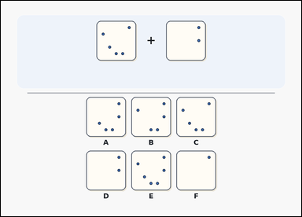 | 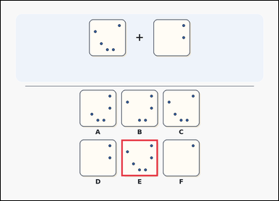 | task_puzzles_spatial_overlay_result_label | overlay_union_same_grid | You are given a transparent-sheet overlay puzzle with two aligned source sheets above labeled result options. Determine which option shows the combined pattern after placing the two transparent sheets exactly on top of each other with no rotation or flipping. Select the correct option and answer with the option letter. Return a valid JSON object with keys "evidence" and "answer" in that order. Evidence requirement: set "evidence" to an array containing exactly one bounding box [x1, y1, x2, y2] for the correct option image. Answer format: set "answer" to the exact option letter of the correct image option. Example JSON: {"evidence":[[521,384,679,542]],"answer":"B"} | You are given a transparent-sheet overlay puzzle with two aligned source sheets above labeled result options. Determine which option shows the combined pattern after placing the two transparent sheets exactly on top of each other with no rotation or flipping. Select the correct option and answer with the option letter. Return a valid JSON object with key "answer". Answer: set "answer" to the exact option letter of the correct image option. Example JSON: {"answer":"B"} | {"evidence": [[521.0, 598.0, 679.0, 756.0]], "answer": "E"} | [[521.0, 598.0, 679.0, 756.0]] | option_letter | bbox_set | 645050944885079 | puzzles/task_puzzles_spatial_overlay_result_label/images/default/0008.png | puzzles/task_puzzles_spatial_overlay_result_label/data/default/0008.json
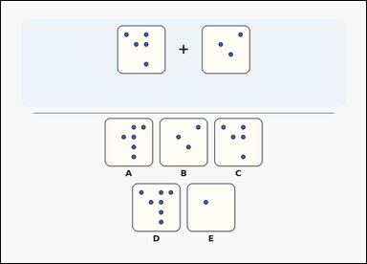 | 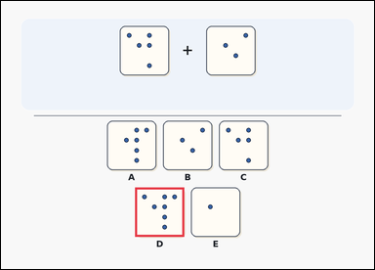 | task_puzzles_spatial_overlay_result_label | overlay_union_same_grid | The image shows a transparent-sheet overlay puzzle with two aligned source sheets above labeled result options. Place the two transparent sheets exactly on top of each other without rotating or flipping them. Which labeled option shows the result? Answer with the option letter. Return a valid JSON object with keys "evidence" and "answer" in that order. Evidence: set "evidence" to an array containing exactly one bounding box [x1, y1, x2, y2] for the correct option image. Answer: set "answer" to the exact option letter of the correct image option. Example JSON: {"evidence":[[521,384,679,542]],"answer":"B"} | The image shows a transparent-sheet overlay puzzle with two aligned source sheets above labeled result options. Place the two transparent sheets exactly on top of each other without rotating or flipping them. Which labeled option shows the result? Answer with the option letter. Return a valid JSON object with key "answer". Answer format: set "answer" to the exact option letter of the correct image option. Example JSON: {"answer":"B"} | {"evidence": [[431.0, 598.0, 589.0, 756.0]], "answer": "D"} | [[431.0, 598.0, 589.0, 756.0]] | option_letter | bbox_set | 1.0696648095E+15 | puzzles/task_puzzles_spatial_overlay_result_label/images/default/0024.png | puzzles/task_puzzles_spatial_overlay_result_label/data/default/0024.json
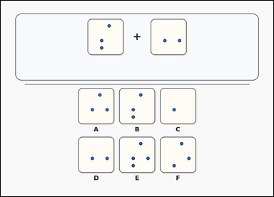 | 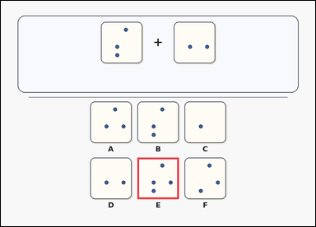 | task_puzzles_spatial_overlay_result_label | overlay_union_same_grid | Use the two transparent sheets above and the labeled result options below: a card-style transparent-sheet overlay puzzle with two aligned source sheets above labeled result options. Determine which option shows the combined pattern after placing the two transparent sheets exactly on top of each other with no rotation or flipping. Respond with the option letter of the correct overlay result. Return a valid JSON object with keys "evidence" and "answer" in that order. Evidence format: set "evidence" to an array containing exactly one bounding box [x1, y1, x2, y2] for the correct option image. Answer requirement: set "answer" to the exact option letter of the correct image option. Example JSON: {"evidence":[[521,384,679,542]],"answer":"B"} | Use the two transparent sheets above and the labeled result options below: a card-style transparent-sheet overlay puzzle with two aligned source sheets above labeled result options. Determine which option shows the combined pattern after placing the two transparent sheets exactly on top of each other with no rotation or flipping. Respond with the option letter of the correct overlay result. Return a valid JSON object with key "answer". Answer rule: set "answer" to the exact option letter of the correct image option. Example JSON: {"answer":"B"} | {"evidence": [[521.0, 598.0, 679.0, 756.0]], "answer": "E"} | [[521.0, 598.0, 679.0, 756.0]] | option_letter | bbox_set | 1.2972333614E+15 | puzzles/task_puzzles_spatial_overlay_result_label/images/default/0012.png | puzzles/task_puzzles_spatial_overlay_result_label/data/default/0012.json
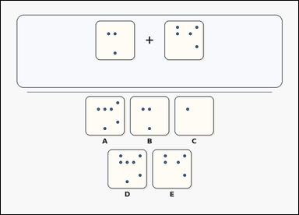 | 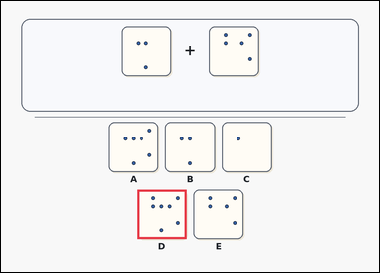 | task_puzzles_spatial_overlay_result_label | overlay_union_same_grid | Look at the transparent-sheet overlay puzzle in the image: a card-style transparent-sheet overlay puzzle with two aligned source sheets above labeled result options. If the two transparent sheets are placed exactly on top of each other with no rotation or flipping, which option shows the combined pattern? Respond with the option letter of the correct overlay result. Return a valid JSON object with keys "evidence" and "answer" in that order. Evidence rule: set "evidence" to an array containing exactly one bounding box [x1, y1, x2, y2] for the correct option image. Answer rule: set "answer" to the exact option letter of the correct image option. Example JSON: {"evidence":[[521,384,679,542]],"answer":"B"} | Look at the transparent-sheet overlay puzzle in the image: a card-style transparent-sheet overlay puzzle with two aligned source sheets above labeled result options. If the two transparent sheets are placed exactly on top of each other with no rotation or flipping, which option shows the combined pattern? Respond with the option letter of the correct overlay result. Return a valid JSON object with key "answer". Answer requirement: set "answer" to the exact option letter of the correct image option. Example JSON: {"answer":"B"} | {"evidence": [[431.0, 598.0, 589.0, 756.0]], "answer": "D"} | [[431.0, 598.0, 589.0, 756.0]] | option_letter | bbox_set | 1.6334898658E+15 | puzzles/task_puzzles_spatial_overlay_result_label/images/default/0010.png | puzzles/task_puzzles_spatial_overlay_result_label/data/default/0010.json
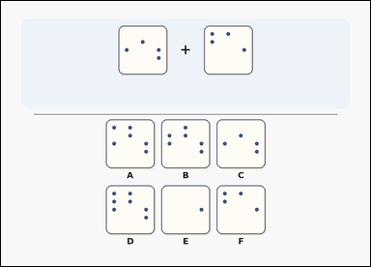 | 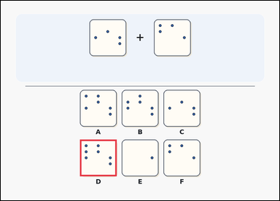 | task_puzzles_spatial_overlay_result_label | overlay_union_same_grid | Look at the transparent-sheet overlay puzzle in the image: a transparent-sheet overlay puzzle with two aligned source sheets above labeled result options. Place the two transparent sheets exactly on top of each other without rotating or flipping them. Which labeled option shows the result? Select the correct option and answer with the option letter. Return a valid JSON object with keys "evidence" and "answer" in that order. Evidence requirement: set "evidence" to an array containing exactly one bounding box [x1, y1, x2, y2] for the correct option image. Answer format: set "answer" to the exact option letter of the correct image option. Example JSON: {"evidence":[[521,384,679,542]],"answer":"B"} | Look at the transparent-sheet overlay puzzle in the image: a transparent-sheet overlay puzzle with two aligned source sheets above labeled result options. Place the two transparent sheets exactly on top of each other without rotating or flipping them. Which labeled option shows the result? Select the correct option and answer with the option letter. Return a valid JSON object with key "answer". Answer field: set "answer" to the exact option letter of the correct image option. Example JSON: {"answer":"B"} | {"evidence": [[341.0, 598.0, 499.0, 756.0]], "answer": "D"} | [[341.0, 598.0, 499.0, 756.0]] | option_letter | bbox_set | 1.8195967009E+15 | puzzles/task_puzzles_spatial_overlay_result_label/images/default/0009.png | puzzles/task_puzzles_spatial_overlay_result_label/data/default/0009.json
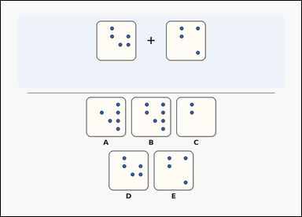 | 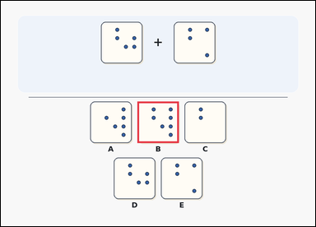 | task_puzzles_spatial_overlay_result_label | overlay_union_same_grid | You are given a transparent-sheet overlay puzzle with two aligned source sheets above labeled result options. Determine which option shows the combined pattern after placing the two transparent sheets exactly on top of each other with no rotation or flipping. Return the option letter of the correctly combined pattern. Return a valid JSON object with keys "evidence" and "answer" in that order. Evidence field: set "evidence" to an array containing exactly one bounding box [x1, y1, x2, y2] for the correct option image. Answer field: set "answer" to the exact option letter of the correct image option. Example JSON: {"evidence":[[521,384,679,542]],"answer":"B"} | You are given a transparent-sheet overlay puzzle with two aligned source sheets above labeled result options. Determine which option shows the combined pattern after placing the two transparent sheets exactly on top of each other with no rotation or flipping. Return the option letter of the correctly combined pattern. Return a valid JSON object with key "answer". Answer requirement: set "answer" to the exact option letter of the correct image option. Example JSON: {"answer":"B"} | {"evidence": [[521.0, 384.0, 679.0, 542.0]], "answer": "B"} | [[521.0, 384.0, 679.0, 542.0]] | option_letter | bbox_set | 1.8513890381E+15 | puzzles/task_puzzles_spatial_overlay_result_label/images/default/0023.png | puzzles/task_puzzles_spatial_overlay_result_label/data/default/0023.json
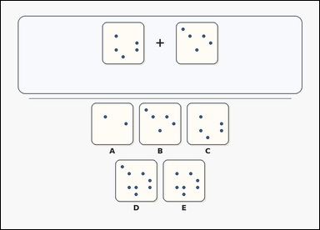 | 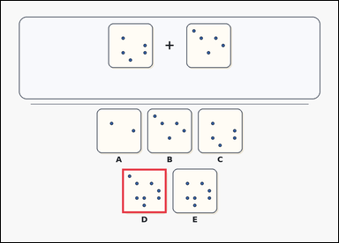 | task_puzzles_spatial_overlay_result_label | overlay_union_same_grid | Work from the two aligned source sheets and the labeled result options: a card-style transparent-sheet overlay puzzle with two aligned source sheets above labeled result options. Place the two transparent sheets exactly on top of each other without rotating or flipping them. Which labeled option shows the result? Answer with the option letter. Return a valid JSON object with keys "evidence" and "answer" in that order. Evidence rule: set "evidence" to an array containing exactly one bounding box [x1, y1, x2, y2] for the correct option image. Answer rule: set "answer" to the exact option letter of the correct image option. Example JSON: {"evidence":[[521,384,679,542]],"answer":"B"} | Work from the two aligned source sheets and the labeled result options: a card-style transparent-sheet overlay puzzle with two aligned source sheets above labeled result options. Place the two transparent sheets exactly on top of each other without rotating or flipping them. Which labeled option shows the result? Answer with the option letter. Return a valid JSON object with key "answer". Answer: set "answer" to the exact option letter of the correct image option. Example JSON: {"answer":"B"} | {"evidence": [[431.0, 598.0, 589.0, 756.0]], "answer": "D"} | [[431.0, 598.0, 589.0, 756.0]] | option_letter | bbox_set | 1.9623084679E+15 | puzzles/task_puzzles_spatial_overlay_result_label/images/default/0017.png | puzzles/task_puzzles_spatial_overlay_result_label/data/default/0017.json
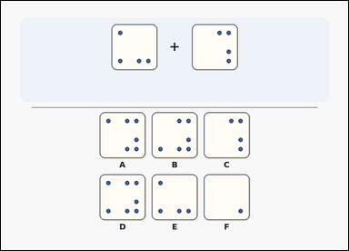 | 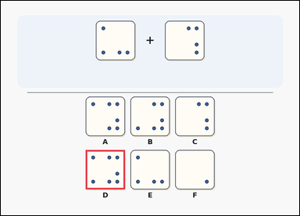 | task_puzzles_spatial_overlay_result_label | overlay_union_same_grid | You are given a transparent-sheet overlay puzzle with two aligned source sheets above labeled result options. Determine which option shows the combined pattern after placing the two transparent sheets exactly on top of each other with no rotation or flipping. Choose the labeled result that matches the combined pattern and answer with the option letter. Return a valid JSON object with keys "evidence" and "answer" in that order. Evidence format: set "evidence" to an array containing exactly one bounding box [x1, y1, x2, y2] for the correct option image. Answer requirement: set "answer" to the exact option letter of the correct image option. Example JSON: {"evidence":[[521,384,679,542]],"answer":"B"} | You are given a transparent-sheet overlay puzzle with two aligned source sheets above labeled result options. Determine which option shows the combined pattern after placing the two transparent sheets exactly on top of each other with no rotation or flipping. Choose the labeled result that matches the combined pattern and answer with the option letter. Return a valid JSON object with key "answer". Answer requirement: set "answer" to the exact option letter of the correct image option. Example JSON: {"answer":"B"} | {"evidence": [[341.0, 598.0, 499.0, 756.0]], "answer": "D"} | [[341.0, 598.0, 499.0, 756.0]] | option_letter | bbox_set | 2.0584279891E+15 | puzzles/task_puzzles_spatial_overlay_result_label/images/default/0002.png | puzzles/task_puzzles_spatial_overlay_result_label/data/default/0002.json
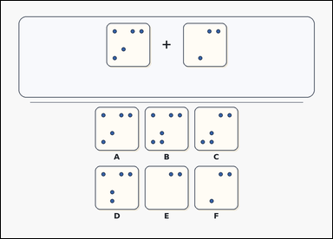 | 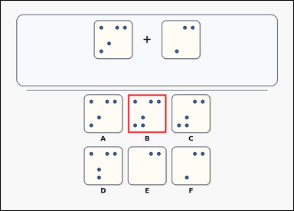 | task_puzzles_spatial_overlay_result_label | overlay_union_same_grid | Work from the two aligned source sheets and the labeled result options: a card-style transparent-sheet overlay puzzle with two aligned source sheets above labeled result options. Determine which option shows the combined pattern after placing the two transparent sheets exactly on top of each other with no rotation or flipping. Respond with the option letter of the correct overlay result. Return a valid JSON object with keys "evidence" and "answer" in that order. Evidence format: set "evidence" to an array containing exactly one bounding box [x1, y1, x2, y2] for the correct option image. Answer requirement: set "answer" to the exact option letter of the correct image option. Example JSON: {"evidence":[[521,384,679,542]],"answer":"B"} | Work from the two aligned source sheets and the labeled result options: a card-style transparent-sheet overlay puzzle with two aligned source sheets above labeled result options. Determine which option shows the combined pattern after placing the two transparent sheets exactly on top of each other with no rotation or flipping. Respond with the option letter of the correct overlay result. Return a valid JSON object with key "answer". Answer field: set "answer" to the exact option letter of the correct image option. Example JSON: {"answer":"B"} | {"evidence": [[521.0, 384.0, 679.0, 542.0]], "answer": "B"} | [[521.0, 384.0, 679.0, 542.0]] | option_letter | bbox_set | 2.4366836183E+15 | puzzles/task_puzzles_spatial_overlay_result_label/images/default/0013.png | puzzles/task_puzzles_spatial_overlay_result_label/data/default/0013.json
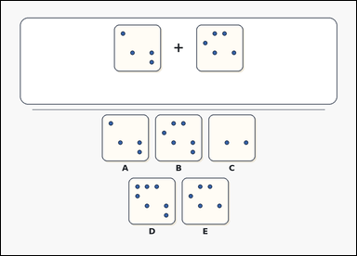 | 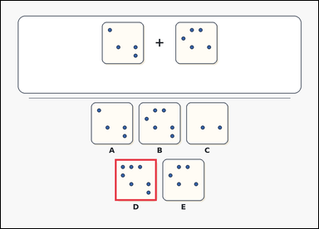 | task_puzzles_spatial_overlay_result_label | overlay_union_same_grid | You are given an outline-style transparent-sheet overlay puzzle with two aligned source sheets above labeled result options. Place the two transparent sheets exactly on top of each other without rotating or flipping them. Which labeled option shows the result? Respond with the option letter of the correct overlay result. Return a valid JSON object with keys "evidence" and "answer" in that order. Evidence requirement: set "evidence" to an array containing exactly one bounding box [x1, y1, x2, y2] for the correct option image. Answer format: set "answer" to the exact option letter of the correct image option. Example JSON: {"evidence":[[521,384,679,542]],"answer":"B"} | You are given an outline-style transparent-sheet overlay puzzle with two aligned source sheets above labeled result options. Place the two transparent sheets exactly on top of each other without rotating or flipping them. Which labeled option shows the result? Respond with the option letter of the correct overlay result. Return a valid JSON object with key "answer". Answer format: set "answer" to the exact option letter of the correct image option. Example JSON: {"answer":"B"} | {"evidence": [[431.0, 598.0, 589.0, 756.0]], "answer": "D"} | [[431.0, 598.0, 589.0, 756.0]] | option_letter | bbox_set | 2.5560251668E+15 | puzzles/task_puzzles_spatial_overlay_result_label/images/default/0000.png | puzzles/task_puzzles_spatial_overlay_result_label/data/default/0000.json
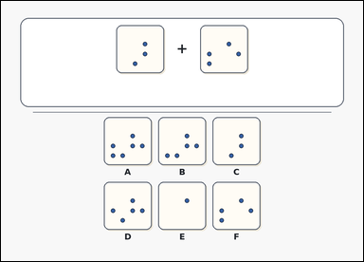 | 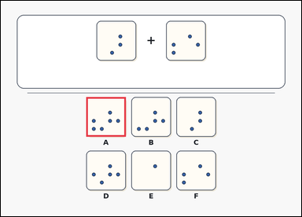 | task_puzzles_spatial_overlay_result_label | overlay_union_same_grid | The image shows an outline-style transparent-sheet overlay puzzle with two aligned source sheets above labeled result options. Place the two transparent sheets exactly on top of each other without rotating or flipping them. Which labeled option shows the result? Respond with the option letter of the correct overlay result. Return a valid JSON object with keys "evidence" and "answer" in that order. Evidence format: set "evidence" to an array containing exactly one bounding box [x1, y1, x2, y2] for the correct option image. Answer requirement: set "answer" to the exact option letter of the correct image option. Example JSON: {"evidence":[[521,384,679,542]],"answer":"B"} | The image shows an outline-style transparent-sheet overlay puzzle with two aligned source sheets above labeled result options. Place the two transparent sheets exactly on top of each other without rotating or flipping them. Which labeled option shows the result? Respond with the option letter of the correct overlay result. Return a valid JSON object with key "answer". Answer requirement: set "answer" to the exact option letter of the correct image option. Example JSON: {"answer":"B"} | {"evidence": [[341.0, 384.0, 499.0, 542.0]], "answer": "A"} | [[341.0, 384.0, 499.0, 542.0]] | option_letter | bbox_set | 2.5823291616E+15 | puzzles/task_puzzles_spatial_overlay_result_label/images/default/0011.png | puzzles/task_puzzles_spatial_overlay_result_label/data/default/0011.json
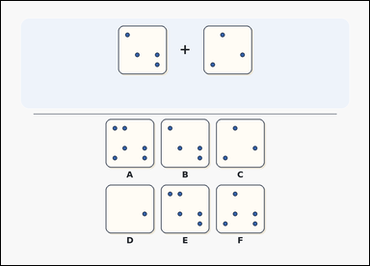 | 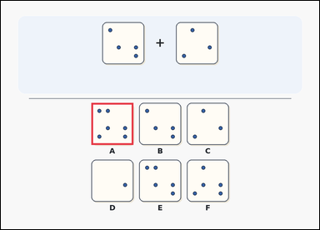 | task_puzzles_spatial_overlay_result_label | overlay_union_same_grid | Work from the two aligned source sheets and the labeled result options: a transparent-sheet overlay puzzle with two aligned source sheets above labeled result options. Place the two transparent sheets exactly on top of each other without rotating or flipping them. Which labeled option shows the result? Return the option letter of the correctly combined pattern. Return a valid JSON object with keys "evidence" and "answer" in that order. Evidence requirement: set "evidence" to an array containing exactly one bounding box [x1, y1, x2, y2] for the correct option image. Answer format: set "answer" to the exact option letter of the correct image option. Example JSON: {"evidence":[[521,384,679,542]],"answer":"B"} | Work from the two aligned source sheets and the labeled result options: a transparent-sheet overlay puzzle with two aligned source sheets above labeled result options. Place the two transparent sheets exactly on top of each other without rotating or flipping them. Which labeled option shows the result? Return the option letter of the correctly combined pattern. Return a valid JSON object with key "answer". Answer field: set "answer" to the exact option letter of the correct image option. Example JSON: {"answer":"B"} | {"evidence": [[341.0, 384.0, 499.0, 542.0]], "answer": "A"} | [[341.0, 384.0, 499.0, 542.0]] | option_letter | bbox_set | 4.6347218649E+15 | puzzles/task_puzzles_spatial_overlay_result_label/images/default/0016.png | puzzles/task_puzzles_spatial_overlay_result_label/data/default/0016.json
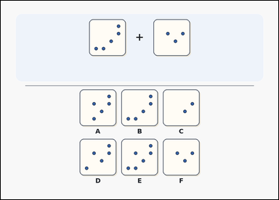 | 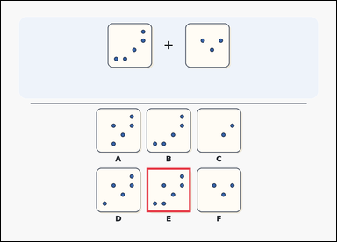 | task_puzzles_spatial_overlay_result_label | overlay_union_same_grid | Work from the two aligned source sheets and the labeled result options: a transparent-sheet overlay puzzle with two aligned source sheets above labeled result options. Place the two transparent sheets exactly on top of each other without rotating or flipping them. Which labeled option shows the result? Return the option letter of the correctly combined pattern. Return a valid JSON object with keys "evidence" and "answer" in that order. Evidence format: set "evidence" to an array containing exactly one bounding box [x1, y1, x2, y2] for the correct option image. Answer requirement: set "answer" to the exact option letter of the correct image option. Example JSON: {"evidence":[[521,384,679,542]],"answer":"B"} | Work from the two aligned source sheets and the labeled result options: a transparent-sheet overlay puzzle with two aligned source sheets above labeled result options. Place the two transparent sheets exactly on top of each other without rotating or flipping them. Which labeled option shows the result? Return the option letter of the correctly combined pattern. Return a valid JSON object with key "answer". Answer format: set "answer" to the exact option letter of the correct image option. Example JSON: {"answer":"B"} | {"evidence": [[521.0, 598.0, 679.0, 756.0]], "answer": "E"} | [[521.0, 598.0, 679.0, 756.0]] | option_letter | bbox_set | 4.7571438898E+15 | puzzles/task_puzzles_spatial_overlay_result_label/images/default/0005.png | puzzles/task_puzzles_spatial_overlay_result_label/data/default/0005.json
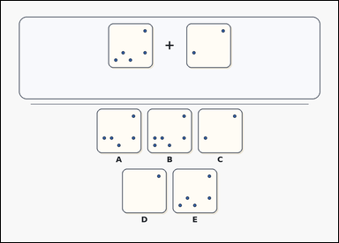 | 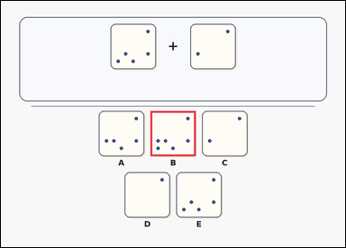 | task_puzzles_spatial_overlay_result_label | overlay_union_same_grid | The image shows a card-style transparent-sheet overlay puzzle with two aligned source sheets above labeled result options. Determine which option shows the combined pattern after placing the two transparent sheets exactly on top of each other with no rotation or flipping. Respond with the option letter of the correct overlay result. Return a valid JSON object with keys "evidence" and "answer" in that order. Evidence format: set "evidence" to an array containing exactly one bounding box [x1, y1, x2, y2] for the correct option image. Answer requirement: set "answer" to the exact option letter of the correct image option. Example JSON: {"evidence":[[521,384,679,542]],"answer":"B"} | The image shows a card-style transparent-sheet overlay puzzle with two aligned source sheets above labeled result options. Determine which option shows the combined pattern after placing the two transparent sheets exactly on top of each other with no rotation or flipping. Respond with the option letter of the correct overlay result. Return a valid JSON object with key "answer". Answer requirement: set "answer" to the exact option letter of the correct image option. Example JSON: {"answer":"B"} | {"evidence": [[521.0, 384.0, 679.0, 542.0]], "answer": "B"} | [[521.0, 384.0, 679.0, 542.0]] | option_letter | bbox_set | 5.1639216004E+15 | puzzles/task_puzzles_spatial_overlay_result_label/images/default/0018.png | puzzles/task_puzzles_spatial_overlay_result_label/data/default/0018.json
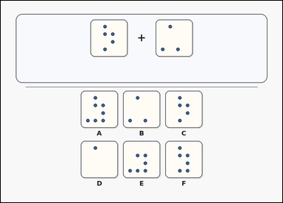 | 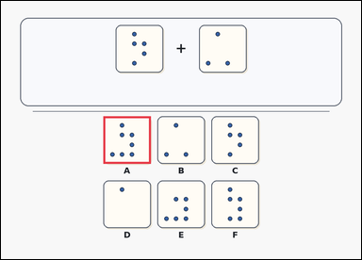 | task_puzzles_spatial_overlay_result_label | overlay_union_same_grid | Work from the two aligned source sheets and the labeled result options: a card-style transparent-sheet overlay puzzle with two aligned source sheets above labeled result options. Which labeled option shows the result of overlaying the two transparent sheets exactly as shown, without rotating or flipping either sheet? Respond with the option letter of the correct overlay result. Return a valid JSON object with keys "evidence" and "answer" in that order. Evidence: set "evidence" to an array containing exactly one bounding box [x1, y1, x2, y2] for the correct option image. Answer: set "answer" to the exact option letter of the correct image option. Example JSON: {"evidence":[[521,384,679,542]],"answer":"B"} | Work from the two aligned source sheets and the labeled result options: a card-style transparent-sheet overlay puzzle with two aligned source sheets above labeled result options. Which labeled option shows the result of overlaying the two transparent sheets exactly as shown, without rotating or flipping either sheet? Respond with the option letter of the correct overlay result. Return a valid JSON object with key "answer". Answer format: set "answer" to the exact option letter of the correct image option. Example JSON: {"answer":"B"} | {"evidence": [[341.0, 384.0, 499.0, 542.0]], "answer": "A"} | [[341.0, 384.0, 499.0, 542.0]] | option_letter | bbox_set | 5.2191837717E+15 | puzzles/task_puzzles_spatial_overlay_result_label/images/default/0007.png | puzzles/task_puzzles_spatial_overlay_result_label/data/default/0007.json
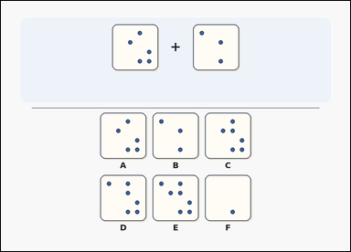 | 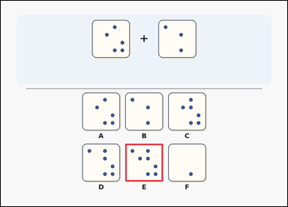 | task_puzzles_spatial_overlay_result_label | overlay_union_same_grid | Use the two transparent sheets above and the labeled result options below: a transparent-sheet overlay puzzle with two aligned source sheets above labeled result options. Determine which option shows the combined pattern after placing the two transparent sheets exactly on top of each other with no rotation or flipping. Respond with the option letter of the correct overlay result. Return a valid JSON object with keys "evidence" and "answer" in that order. Evidence format: set "evidence" to an array containing exactly one bounding box [x1, y1, x2, y2] for the correct option image. Answer requirement: set "answer" to the exact option letter of the correct image option. Example JSON: {"evidence":[[521,384,679,542]],"answer":"B"} | Use the two transparent sheets above and the labeled result options below: a transparent-sheet overlay puzzle with two aligned source sheets above labeled result options. Determine which option shows the combined pattern after placing the two transparent sheets exactly on top of each other with no rotation or flipping. Respond with the option letter of the correct overlay result. Return a valid JSON object with key "answer". Answer requirement: set "answer" to the exact option letter of the correct image option. Example JSON: {"answer":"B"} | {"evidence": [[521.0, 598.0, 679.0, 756.0]], "answer": "E"} | [[521.0, 598.0, 679.0, 756.0]] | option_letter | bbox_set | 5.3509963105E+15 | puzzles/task_puzzles_spatial_overlay_result_label/images/default/0001.png | puzzles/task_puzzles_spatial_overlay_result_label/data/default/0001.json
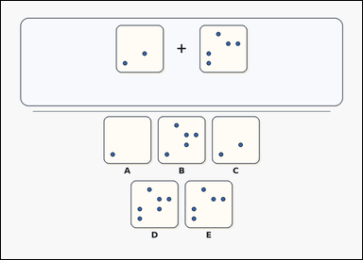 | 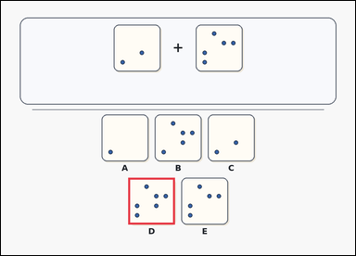 | task_puzzles_spatial_overlay_result_label | overlay_union_same_grid | Work from the two aligned source sheets and the labeled result options: a card-style transparent-sheet overlay puzzle with two aligned source sheets above labeled result options. When the two aligned transparent sheets are overlaid directly on top of each other, which option matches the combined pattern? Respond with the option letter of the correct overlay result. Return a valid JSON object with keys "evidence" and "answer" in that order. Evidence format: set "evidence" to an array containing exactly one bounding box [x1, y1, x2, y2] for the correct option image. Answer requirement: set "answer" to the exact option letter of the correct image option. Example JSON: {"evidence":[[521,384,679,542]],"answer":"B"} | Work from the two aligned source sheets and the labeled result options: a card-style transparent-sheet overlay puzzle with two aligned source sheets above labeled result options. When the two aligned transparent sheets are overlaid directly on top of each other, which option matches the combined pattern? Respond with the option letter of the correct overlay result. Return a valid JSON object with key "answer". Answer: set "answer" to the exact option letter of the correct image option. Example JSON: {"answer":"B"} | {"evidence": [[431.0, 598.0, 589.0, 756.0]], "answer": "D"} | [[431.0, 598.0, 589.0, 756.0]] | option_letter | bbox_set | 5.3602376053E+15 | puzzles/task_puzzles_spatial_overlay_result_label/images/default/0006.png | puzzles/task_puzzles_spatial_overlay_result_label/data/default/0006.json
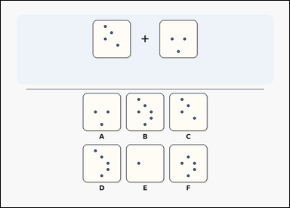 | 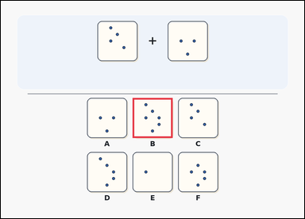 | task_puzzles_spatial_overlay_result_label | overlay_union_same_grid | The image shows a transparent-sheet overlay puzzle with two aligned source sheets above labeled result options. Which labeled option shows the result of overlaying the two transparent sheets exactly as shown, without rotating or flipping either sheet? Return the option letter of the correctly combined pattern. Return a valid JSON object with keys "evidence" and "answer" in that order. Evidence field: set "evidence" to an array containing exactly one bounding box [x1, y1, x2, y2] for the correct option image. Answer field: set "answer" to the exact option letter of the correct image option. Example JSON: {"evidence":[[521,384,679,542]],"answer":"B"} | The image shows a transparent-sheet overlay puzzle with two aligned source sheets above labeled result options. Which labeled option shows the result of overlaying the two transparent sheets exactly as shown, without rotating or flipping either sheet? Return the option letter of the correctly combined pattern. Return a valid JSON object with key "answer". Answer: set "answer" to the exact option letter of the correct image option. Example JSON: {"answer":"B"} | {"evidence": [[521.0, 384.0, 679.0, 542.0]], "answer": "B"} | [[521.0, 384.0, 679.0, 542.0]] | option_letter | bbox_set | 5.568259923E+15 | puzzles/task_puzzles_spatial_overlay_result_label/images/default/0019.png | puzzles/task_puzzles_spatial_overlay_result_label/data/default/0019.json
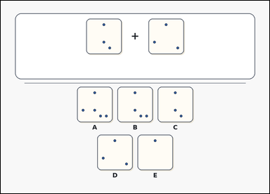 | 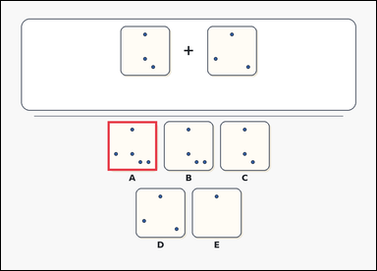 | task_puzzles_spatial_overlay_result_label | overlay_union_same_grid | Use the two transparent sheets above and the labeled result options below: an outline-style transparent-sheet overlay puzzle with two aligned source sheets above labeled result options. If the two transparent sheets are placed exactly on top of each other with no rotation or flipping, which option shows the combined pattern? Respond with the option letter of the correct overlay result. Return a valid JSON object with keys "evidence" and "answer" in that order. Evidence rule: set "evidence" to an array containing exactly one bounding box [x1, y1, x2, y2] for the correct option image. Answer rule: set "answer" to the exact option letter of the correct image option. Example JSON: {"evidence":[[521,384,679,542]],"answer":"B"} | Use the two transparent sheets above and the labeled result options below: an outline-style transparent-sheet overlay puzzle with two aligned source sheets above labeled result options. If the two transparent sheets are placed exactly on top of each other with no rotation or flipping, which option shows the combined pattern? Respond with the option letter of the correct overlay result. Return a valid JSON object with key "answer". Answer format: set "answer" to the exact option letter of the correct image option. Example JSON: {"answer":"B"} | {"evidence": [[341.0, 384.0, 499.0, 542.0]], "answer": "A"} | [[341.0, 384.0, 499.0, 542.0]] | option_letter | bbox_set | 5.632647174E+15 | puzzles/task_puzzles_spatial_overlay_result_label/images/default/0020.png | puzzles/task_puzzles_spatial_overlay_result_label/data/default/0020.json
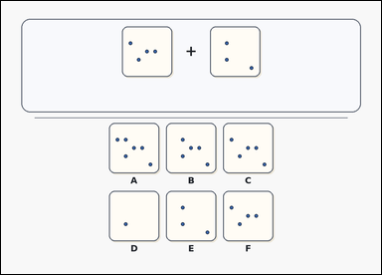 | 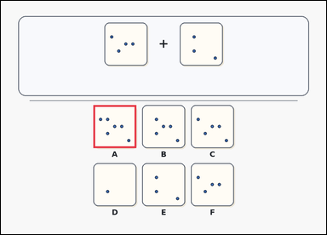 | task_puzzles_spatial_overlay_result_label | overlay_union_same_grid | Use the two transparent sheets above and the labeled result options below: a card-style transparent-sheet overlay puzzle with two aligned source sheets above labeled result options. Determine which option shows the combined pattern after placing the two transparent sheets exactly on top of each other with no rotation or flipping. Choose the labeled result that matches the combined pattern and answer with the option letter. Return a valid JSON object with keys "evidence" and "answer" in that order. Evidence: set "evidence" to an array containing exactly one bounding box [x1, y1, x2, y2] for the correct option image. Answer: set "answer" to the exact option letter of the correct image option. Example JSON: {"evidence":[[521,384,679,542]],"answer":"B"} | Use the two transparent sheets above and the labeled result options below: a card-style transparent-sheet overlay puzzle with two aligned source sheets above labeled result options. Determine which option shows the combined pattern after placing the two transparent sheets exactly on top of each other with no rotation or flipping. Choose the labeled result that matches the combined pattern and answer with the option letter. Return a valid JSON object with key "answer". Answer field: set "answer" to the exact option letter of the correct image option. Example JSON: {"answer":"B"} | {"evidence": [[341.0, 384.0, 499.0, 542.0]], "answer": "A"} | [[341.0, 384.0, 499.0, 542.0]] | option_letter | bbox_set | 6.4649090805E+15 | puzzles/task_puzzles_spatial_overlay_result_label/images/default/0015.png | puzzles/task_puzzles_spatial_overlay_result_label/data/default/0015.json
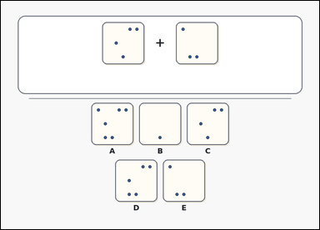 | 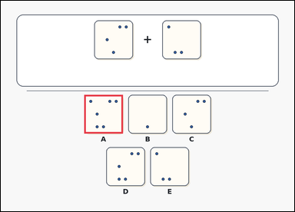 | task_puzzles_spatial_overlay_result_label | overlay_union_same_grid | The image shows an outline-style transparent-sheet overlay puzzle with two aligned source sheets above labeled result options. Determine which option shows the combined pattern after placing the two transparent sheets exactly on top of each other with no rotation or flipping. Select the correct option and answer with the option letter. Return a valid JSON object with keys "evidence" and "answer" in that order. Evidence format: set "evidence" to an array containing exactly one bounding box [x1, y1, x2, y2] for the correct option image. Answer requirement: set "answer" to the exact option letter of the correct image option. Example JSON: {"evidence":[[521,384,679,542]],"answer":"B"} | The image shows an outline-style transparent-sheet overlay puzzle with two aligned source sheets above labeled result options. Determine which option shows the combined pattern after placing the two transparent sheets exactly on top of each other with no rotation or flipping. Select the correct option and answer with the option letter. Return a valid JSON object with key "answer". Answer requirement: set "answer" to the exact option letter of the correct image option. Example JSON: {"answer":"B"} | {"evidence": [[341.0, 384.0, 499.0, 542.0]], "answer": "A"} | [[341.0, 384.0, 499.0, 542.0]] | option_letter | bbox_set | 6.7821785408E+15 | puzzles/task_puzzles_spatial_overlay_result_label/images/default/0014.png | puzzles/task_puzzles_spatial_overlay_result_label/data/default/0014.json
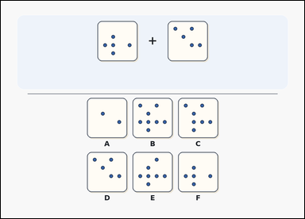 | 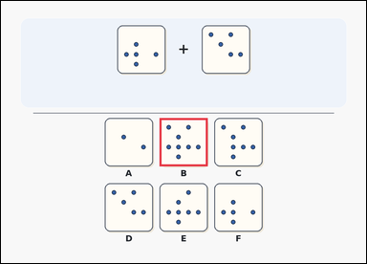 | task_puzzles_spatial_overlay_result_label | overlay_union_same_grid | Work from the two aligned source sheets and the labeled result options: a transparent-sheet overlay puzzle with two aligned source sheets above labeled result options. When the two aligned transparent sheets are overlaid directly on top of each other, which option matches the combined pattern? Return the option letter of the correctly combined pattern. Return a valid JSON object with keys "evidence" and "answer" in that order. Evidence field: set "evidence" to an array containing exactly one bounding box [x1, y1, x2, y2] for the correct option image. Answer field: set "answer" to the exact option letter of the correct image option. Example JSON: {"evidence":[[521,384,679,542]],"answer":"B"} | Work from the two aligned source sheets and the labeled result options: a transparent-sheet overlay puzzle with two aligned source sheets above labeled result options. When the two aligned transparent sheets are overlaid directly on top of each other, which option matches the combined pattern? Return the option letter of the correctly combined pattern. Return a valid JSON object with key "answer". Answer: set "answer" to the exact option letter of the correct image option. Example JSON: {"answer":"B"} | {"evidence": [[521.0, 384.0, 679.0, 542.0]], "answer": "B"} | [[521.0, 384.0, 679.0, 542.0]] | option_letter | bbox_set | 6.8418908663E+15 | puzzles/task_puzzles_spatial_overlay_result_label/images/default/0004.png | puzzles/task_puzzles_spatial_overlay_result_label/data/default/0004.json
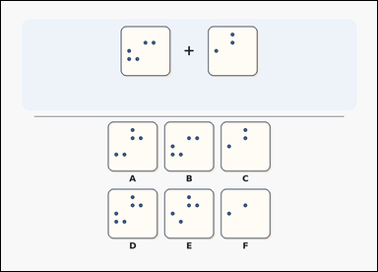 | 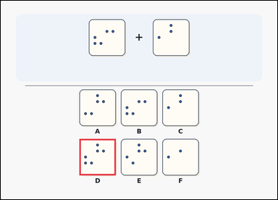 | task_puzzles_spatial_overlay_result_label | overlay_union_same_grid | The image shows a transparent-sheet overlay puzzle with two aligned source sheets above labeled result options. Place the two transparent sheets exactly on top of each other without rotating or flipping them. Which labeled option shows the result? Answer with the option letter. Return a valid JSON object with keys "evidence" and "answer" in that order. Evidence field: set "evidence" to an array containing exactly one bounding box [x1, y1, x2, y2] for the correct option image. Answer field: set "answer" to the exact option letter of the correct image option. Example JSON: {"evidence":[[521,384,679,542]],"answer":"B"} | The image shows a transparent-sheet overlay puzzle with two aligned source sheets above labeled result options. Place the two transparent sheets exactly on top of each other without rotating or flipping them. Which labeled option shows the result? Answer with the option letter. Return a valid JSON object with key "answer". Answer rule: set "answer" to the exact option letter of the correct image option. Example JSON: {"answer":"B"} | {"evidence": [[341.0, 598.0, 499.0, 756.0]], "answer": "D"} | [[341.0, 598.0, 499.0, 756.0]] | option_letter | bbox_set | 7.8427670139E+15 | puzzles/task_puzzles_spatial_overlay_result_label/images/default/0021.png | puzzles/task_puzzles_spatial_overlay_result_label/data/default/0021.json
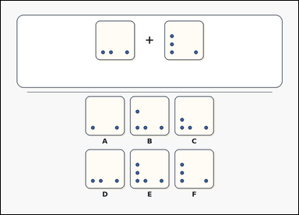 | 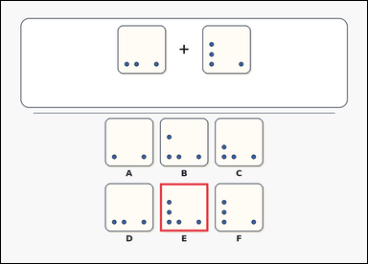 | task_puzzles_spatial_overlay_result_label | overlay_union_same_grid | Look at the transparent-sheet overlay puzzle in the image: an outline-style transparent-sheet overlay puzzle with two aligned source sheets above labeled result options. If the two transparent sheets are placed exactly on top of each other with no rotation or flipping, which option shows the combined pattern? Choose the labeled result that matches the combined pattern and answer with the option letter. Return a valid JSON object with keys "evidence" and "answer" in that order. Evidence field: set "evidence" to an array containing exactly one bounding box [x1, y1, x2, y2] for the correct option image. Answer field: set "answer" to the exact option letter of the correct image option. Example JSON: {"evidence":[[521,384,679,542]],"answer":"B"} | Look at the transparent-sheet overlay puzzle in the image: an outline-style transparent-sheet overlay puzzle with two aligned source sheets above labeled result options. If the two transparent sheets are placed exactly on top of each other with no rotation or flipping, which option shows the combined pattern? Choose the labeled result that matches the combined pattern and answer with the option letter. Return a valid JSON object with key "answer". Answer rule: set "answer" to the exact option letter of the correct image option. Example JSON: {"answer":"B"} | {"evidence": [[521.0, 598.0, 679.0, 756.0]], "answer": "E"} | [[521.0, 598.0, 679.0, 756.0]] | option_letter | bbox_set | 8.3327240807E+15 | puzzles/task_puzzles_spatial_overlay_result_label/images/default/0022.png | puzzles/task_puzzles_spatial_overlay_result_label/data/default/0022.json
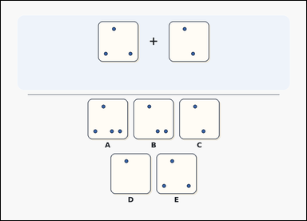 | 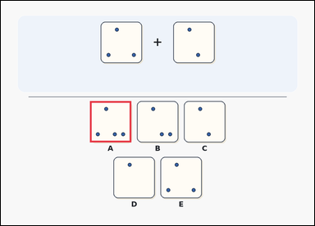 | task_puzzles_spatial_overlay_result_label | overlay_union_same_grid | Look at the transparent-sheet overlay puzzle in the image: a transparent-sheet overlay puzzle with two aligned source sheets above labeled result options. When the two aligned transparent sheets are overlaid directly on top of each other, which option matches the combined pattern? Return the option letter of the correctly combined pattern. Return a valid JSON object with keys "evidence" and "answer" in that order. Evidence format: set "evidence" to an array containing exactly one bounding box [x1, y1, x2, y2] for the correct option image. Answer requirement: set "answer" to the exact option letter of the correct image option. Example JSON: {"evidence":[[521,384,679,542]],"answer":"B"} | Look at the transparent-sheet overlay puzzle in the image: a transparent-sheet overlay puzzle with two aligned source sheets above labeled result options. When the two aligned transparent sheets are overlaid directly on top of each other, which option matches the combined pattern? Return the option letter of the correctly combined pattern. Return a valid JSON object with key "answer". Answer format: set "answer" to the exact option letter of the correct image option. Example JSON: {"answer":"B"} | {"evidence": [[341.0, 384.0, 499.0, 542.0]], "answer": "A"} | [[341.0, 384.0, 499.0, 542.0]] | option_letter | bbox_set | 8.8893210378E+15 | puzzles/task_puzzles_spatial_overlay_result_label/images/default/0003.png | puzzles/task_puzzles_spatial_overlay_result_label/data/default/0003.json

