filtered_argmax
image | evidence_image | task | task_variant | prompt | prompt_answer_only | answer | answer_evidence | answer_type | evidence_type | instance_seed | image_path | data_path
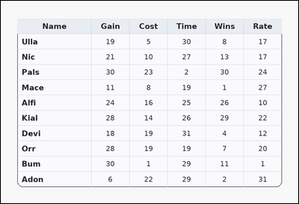 | 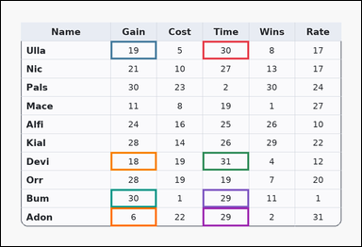 | task_tables_statistics_filtered_subset_label | filtered_argmax | You are given a table: a card-style table with one Name column, several numeric columns, a rounded outer frame, and a shaded header row. Use the table values to filter the rows and then identify the winning row in the named target column. Using only the rows with values in Time from 29 to 31 inclusive, determine which row has the maximum value in Gain. Return a valid JSON object with keys "evidence" and "answer" in that order. Evidence format: set "evidence" to an array containing the ordered supporting cell pairs [filter cell, target cell] for each selected row in top-to-bottom row order. Answer requirement: set "answer" to the exact row-name string from the filtered rows. Example JSON: {"evidence":[[260,180,372,236],[374,180,486,236],[260,236,372,292],[374,236,486,292]],"answer":"Ava"} | You are given a table: a card-style table with one Name column, several numeric columns, a rounded outer frame, and a shaded header row. Use the table values to filter the rows and then identify the winning row in the named target column. Using only the rows with values in Time from 29 to 31 inclusive, determine which row has the maximum value in Gain. Return a valid JSON object with key "answer". Answer: set "answer" to the exact row-name string from the filtered rows. Example JSON: {"answer":"Ava"} | {"evidence": [[526.848, 104.364, 647.232, 152.727], [286.08, 104.364, 406.464, 152.727], [526.848, 394.545, 647.232, 442.909], [286.08, 394.545, 406.464, 442.909], [526.848, 491.273, 647.232, 539.636], [286.08, 491.273, 406.464, 539.636], [526.848, 539.636, 647.232, 588.0], [286.08, 539.636, 406.464, 588.0]], "answer": "Bum"} | [[526.848, 104.364, 647.232, 152.727], [286.08, 104.364, 406.464, 152.727], [526.848, 394.545, 647.232, 442.909], [286.08, 394.545, 406.464, 442.909], [526.848, 491.273, 647.232, 539.636], [286.08, 491.273, 406.464, 539.636], [526.848, 539.636, 647.232, 588.0], [286.08, 539.636, 406.464, 588.0]] | string | bbox_set | 399346470413218 | tables/task_tables_statistics_filtered_subset_label/images/filtered_argmax/0016.png | tables/task_tables_statistics_filtered_subset_label/data/filtered_argmax/0016.json
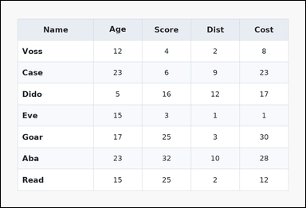 | 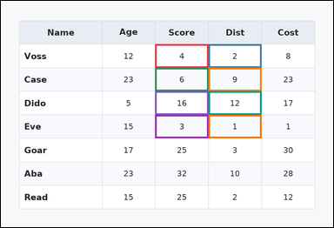 | task_tables_statistics_filtered_subset_label | filtered_argmax | Use the table in the image. It shows a zebra-striped table with one Name column, several numeric columns, alternating row shading, and a shaded header row. Determine which selected row wins under the requested target-column extremum after applying the filter condition. After filtering to rows where values in Score less than 24, identify the row with the maximum Dist value. Return a valid JSON object with keys "evidence" and "answer" in that order. Evidence format: set "evidence" to an array containing the ordered supporting cell pairs [filter cell, target cell] for each selected row in top-to-bottom row order. Answer requirement: set "answer" to the exact row-name string from the filtered rows. Example JSON: {"evidence":[[260,180,372,236],[374,180,486,236],[260,236,372,292],[374,236,486,292]],"answer":"Ava"} | Use the table in the image. It shows a zebra-striped table with one Name column, several numeric columns, alternating row shading, and a shaded header row. Determine which selected row wins under the requested target-column extremum after applying the filter condition. After filtering to rows where values in Score less than 24, identify the row with the maximum Dist value. Return a valid JSON object with key "answer". Answer format: set "answer" to the exact row-name string from the filtered rows. Example JSON: {"answer":"Ava"} | {"evidence": [[436.56, 122.5, 587.04, 189.0], [587.04, 122.5, 737.52, 189.0], [436.56, 189.0, 587.04, 255.5], [587.04, 189.0, 737.52, 255.5], [436.56, 255.5, 587.04, 322.0], [587.04, 255.5, 737.52, 322.0], [436.56, 322.0, 587.04, 388.5], [587.04, 322.0, 737.52, 388.5]], "answer": "Dido"} | [[436.56, 122.5, 587.04, 189.0], [587.04, 122.5, 737.52, 189.0], [436.56, 189.0, 587.04, 255.5], [587.04, 189.0, 737.52, 255.5], [436.56, 255.5, 587.04, 322.0], [587.04, 255.5, 737.52, 322.0], [436.56, 322.0, 587.04, 388.5], [587.04, 322.0, 737.52, 388.5]] | string | bbox_set | 857165168957857 | tables/task_tables_statistics_filtered_subset_label/images/filtered_argmax/0014.png | tables/task_tables_statistics_filtered_subset_label/data/filtered_argmax/0014.json
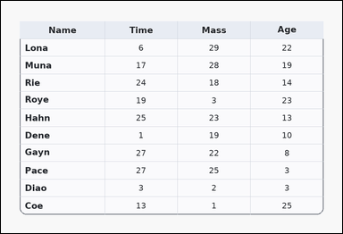 | 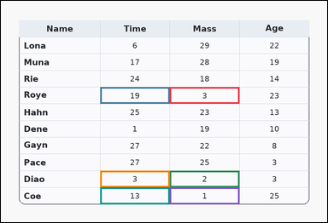 | task_tables_statistics_filtered_subset_label | filtered_argmax | The image shows a card-style table with one Name column, several numeric columns, a rounded outer frame, and a shaded header row. Determine which selected row wins under the requested target-column extremum after applying the filter condition. What row name has the highest Time value among rows whose Mass entries satisfy values in Mass less than 7? Return a valid JSON object with keys "evidence" and "answer" in that order. Evidence: set "evidence" to an array containing the ordered supporting cell pairs [filter cell, target cell] for each selected row in top-to-bottom row order. Answer: set "answer" to the exact row-name string from the filtered rows. Example JSON: {"evidence":[[260,180,372,236],[374,180,486,236],[260,236,372,292],[374,236,486,292]],"answer":"Ava"} | The image shows a card-style table with one Name column, several numeric columns, a rounded outer frame, and a shaded header row. Determine which selected row wins under the requested target-column extremum after applying the filter condition. What row name has the highest Time value among rows whose Mass entries satisfy values in Mass less than 7? Return a valid JSON object with key "answer". Answer rule: set "answer" to the exact row-name string from the filtered rows. Example JSON: {"answer":"Ava"} | {"evidence": [[486.72, 249.455, 687.36, 297.818], [286.08, 249.455, 486.72, 297.818], [486.72, 491.273, 687.36, 539.636], [286.08, 491.273, 486.72, 539.636], [486.72, 539.636, 687.36, 588.0], [286.08, 539.636, 486.72, 588.0]], "answer": "Roye"} | [[486.72, 249.455, 687.36, 297.818], [286.08, 249.455, 486.72, 297.818], [486.72, 491.273, 687.36, 539.636], [286.08, 491.273, 486.72, 539.636], [486.72, 539.636, 687.36, 588.0], [286.08, 539.636, 486.72, 588.0]] | string | bbox_set | 988203296646291 | tables/task_tables_statistics_filtered_subset_label/images/filtered_argmax/0024.png | tables/task_tables_statistics_filtered_subset_label/data/filtered_argmax/0024.json
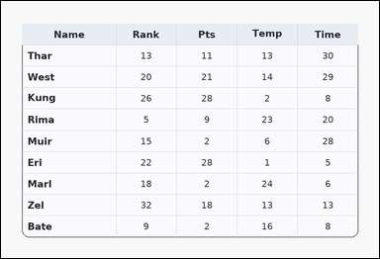 | 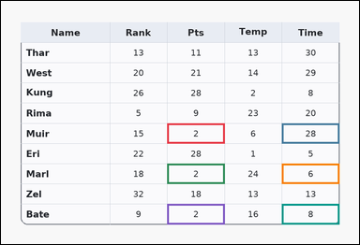 | task_tables_statistics_filtered_subset_label | filtered_argmax | You are given a table: a card-style table with one Name column, several numeric columns, a rounded outer frame, and a shaded header row. Find the row name with the requested target-column extremum after applying the stated row filter. After filtering to rows where values in Pts less than 4, identify the row with the maximum Time value. Return a valid JSON object with keys "evidence" and "answer" in that order. Evidence requirement: set "evidence" to an array containing the ordered supporting cell pairs [filter cell, target cell] for each selected row in top-to-bottom row order. Answer format: set "answer" to the exact row-name string from the filtered rows. Example JSON: {"evidence":[[260,180,372,236],[374,180,486,236],[260,236,372,292],[374,236,486,292]],"answer":"Ava"} | You are given a table: a card-style table with one Name column, several numeric columns, a rounded outer frame, and a shaded header row. Find the row name with the requested target-column extremum after applying the stated row filter. After filtering to rows where values in Pts less than 4, identify the row with the maximum Time value. Return a valid JSON object with key "answer". Answer requirement: set "answer" to the exact row-name string from the filtered rows. Example JSON: {"answer":"Ava"} | {"evidence": [[436.56, 322.0, 587.04, 375.2], [737.52, 322.0, 888.0, 375.2], [436.56, 428.4, 587.04, 481.6], [737.52, 428.4, 888.0, 481.6], [436.56, 534.8, 587.04, 588.0], [737.52, 534.8, 888.0, 588.0]], "answer": "Muir"} | [[436.56, 322.0, 587.04, 375.2], [737.52, 322.0, 888.0, 375.2], [436.56, 428.4, 587.04, 481.6], [737.52, 428.4, 888.0, 481.6], [436.56, 534.8, 587.04, 588.0], [737.52, 534.8, 888.0, 588.0]] | string | bbox_set | 1.1854671612E+15 | tables/task_tables_statistics_filtered_subset_label/images/filtered_argmax/0017.png | tables/task_tables_statistics_filtered_subset_label/data/filtered_argmax/0017.json
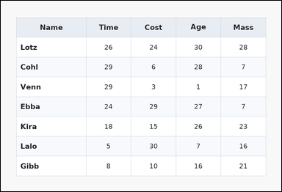 | 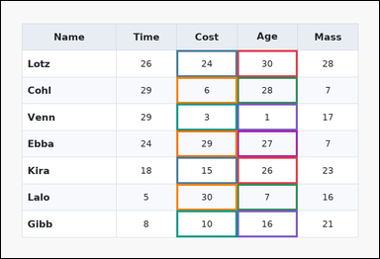 | task_tables_statistics_filtered_subset_label | filtered_argmax | You are given a table: a zebra-striped table with one Name column, several numeric columns, alternating row shading, and a shaded header row. Determine which selected row wins under the requested target-column extremum after applying the filter condition. Using only the rows with values in Age greater than 0, determine which row has the maximum value in Cost. Return a valid JSON object with keys "evidence" and "answer" in that order. Evidence requirement: set "evidence" to an array containing the ordered supporting cell pairs [filter cell, target cell] for each selected row in top-to-bottom row order. Answer format: set "answer" to the exact row-name string from the filtered rows. Example JSON: {"evidence":[[260,180,372,236],[374,180,486,236],[260,236,372,292],[374,236,486,292]],"answer":"Ava"} | You are given a table: a zebra-striped table with one Name column, several numeric columns, alternating row shading, and a shaded header row. Determine which selected row wins under the requested target-column extremum after applying the filter condition. Using only the rows with values in Age greater than 0, determine which row has the maximum value in Cost. Return a valid JSON object with key "answer". Answer: set "answer" to the exact row-name string from the filtered rows. Example JSON: {"answer":"Ava"} | {"evidence": [[587.04, 122.5, 737.52, 189.0], [436.56, 122.5, 587.04, 189.0], [587.04, 189.0, 737.52, 255.5], [436.56, 189.0, 587.04, 255.5], [587.04, 255.5, 737.52, 322.0], [436.56, 255.5, 587.04, 322.0], [587.04, 322.0, 737.52, 388.5], [436.56, 322.0, 587.04, 388.5], [587.04, 388.5, 737.52, 455.0], [436.56, 388.5, 587.04, 455.0], [587.04, 455.0, 737.52, 521.5], [436.56, 455.0, 587.04, 521.5], [587.04, 521.5, 737.52, 588.0], [436.56, 521.5, 587.04, 588.0]], "answer": "Lalo"} | [[587.04, 122.5, 737.52, 189.0], [436.56, 122.5, 587.04, 189.0], [587.04, 189.0, 737.52, 255.5], [436.56, 189.0, 587.04, 255.5], [587.04, 255.5, 737.52, 322.0], [436.56, 255.5, 587.04, 322.0], [587.04, 322.0, 737.52, 388.5], [436.56, 322.0, 587.04, 388.5], [587.04, 388.5, 737.52, 455.0], [436.56, 388.5, 587.04, 455.0], [587.04, 455.0, 737.52, 521.5], [436.56, 455.0, 587.04, 521.5], [587.04, 521.5, 737.52, 588.0], [436.56, 521.5, 587.04, 588.0]] | string | bbox_set | 1.8677315139E+15 | tables/task_tables_statistics_filtered_subset_label/images/filtered_argmax/0020.png | tables/task_tables_statistics_filtered_subset_label/data/filtered_argmax/0020.json
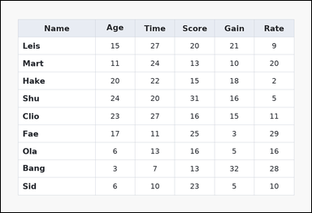 | 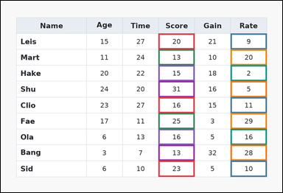 | task_tables_statistics_filtered_subset_label | filtered_argmax | You are given a table: a spreadsheet-style table with one Name column, several numeric columns, full grid lines, and a shaded header row. Find the row name with the requested target-column extremum after applying the stated row filter. What row name has the highest Rate value among rows whose Score entries satisfy values in Score from 1 to 32 inclusive? Return a valid JSON object with keys "evidence" and "answer" in that order. Evidence format: set "evidence" to an array containing the ordered supporting cell pairs [filter cell, target cell] for each selected row in top-to-bottom row order. Answer requirement: set "answer" to the exact row-name string from the filtered rows. Example JSON: {"evidence":[[260,180,372,236],[374,180,486,236],[260,236,372,292],[374,236,486,292]],"answer":"Ava"} | You are given a table: a spreadsheet-style table with one Name column, several numeric columns, full grid lines, and a shaded header row. Find the row name with the requested target-column extremum after applying the stated row filter. What row name has the highest Rate value among rows whose Score entries satisfy values in Score from 1 to 32 inclusive? Return a valid JSON object with key "answer". Answer format: set "answer" to the exact row-name string from the filtered rows. Example JSON: {"answer":"Ava"} | {"evidence": [[526.848, 109.2, 647.232, 162.4], [767.616, 109.2, 888.0, 162.4], [526.848, 162.4, 647.232, 215.6], [767.616, 162.4, 888.0, 215.6], [526.848, 215.6, 647.232, 268.8], [767.616, 215.6, 888.0, 268.8], [526.848, 268.8, 647.232, 322.0], [767.616, 268.8, 888.0, 322.0], [526.848, 322.0, 647.232, 375.2], [767.616, 322.0, 888.0, 375.2], [526.848, 375.2, 647.232, 428.4], [767.616, 375.2, 888.0, 428.4], [526.848, 428.4, 647.232, 481.6], [767.616, 428.4, 888.0, 481.6], [526.848, 481.6, 647.232, 534.8], [767.616, 481.6, 888.0, 534.8], [526.848, 534.8, 647.232, 588.0], [767.616, 534.8, 888.0, 588.0]], "answer": "Fae"} | [[526.848, 109.2, 647.232, 162.4], [767.616, 109.2, 888.0, 162.4], [526.848, 162.4, 647.232, 215.6], [767.616, 162.4, 888.0, 215.6], [526.848, 215.6, 647.232, 268.8], [767.616, 215.6, 888.0, 268.8], [526.848, 268.8, 647.232, 322.0], [767.616, 268.8, 888.0, 322.0], [526.848, 322.0, 647.232, 375.2], [767.616, 322.0, 888.0, 375.2], [526.848, 375.2, 647.232, 428.4], [767.616, 375.2, 888.0, 428.4], [526.848, 428.4, 647.232, 481.6], [767.616, 428.4, 888.0, 481.6], [526.848, 481.6, 647.232, 534.8], [767.616, 481.6, 888.0, 534.8], [526.848, 534.8, 647.232, 588.0], [767.616, 534.8, 888.0, 588.0]] | string | bbox_set | 2.0282075803E+15 | tables/task_tables_statistics_filtered_subset_label/images/filtered_argmax/0015.png | tables/task_tables_statistics_filtered_subset_label/data/filtered_argmax/0015.json
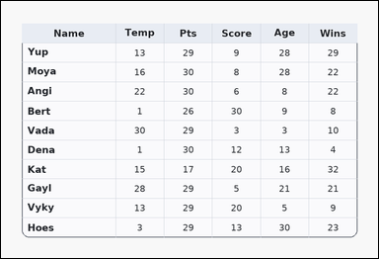 | 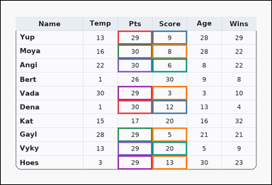 | task_tables_statistics_filtered_subset_label | filtered_argmax | Look at the table in the image. It shows a card-style table with one Name column, several numeric columns, a rounded outer frame, and a shaded header row. Read the table, keep the rows that satisfy the filter, and report the row that wins in the target column. What row name has the highest Score value among rows whose Pts entries satisfy values in Pts from 29 to 30 inclusive? Return a valid JSON object with keys "evidence" and "answer" in that order. Evidence format: set "evidence" to an array containing the ordered supporting cell pairs [filter cell, target cell] for each selected row in top-to-bottom row order. Answer requirement: set "answer" to the exact row-name string from the filtered rows. Example JSON: {"evidence":[[260,180,372,236],[374,180,486,236],[260,236,372,292],[374,236,486,292]],"answer":"Ava"} | Look at the table in the image. It shows a card-style table with one Name column, several numeric columns, a rounded outer frame, and a shaded header row. Read the table, keep the rows that satisfy the filter, and report the row that wins in the target column. What row name has the highest Score value among rows whose Pts entries satisfy values in Pts from 29 to 30 inclusive? Return a valid JSON object with key "answer". Answer format: set "answer" to the exact row-name string from the filtered rows. Example JSON: {"answer":"Ava"} | {"evidence": [[406.464, 104.364, 526.848, 152.727], [526.848, 104.364, 647.232, 152.727], [406.464, 152.727, 526.848, 201.091], [526.848, 152.727, 647.232, 201.091], [406.464, 201.091, 526.848, 249.455], [526.848, 201.091, 647.232, 249.455], [406.464, 297.818, 526.848, 346.182], [526.848, 297.818, 647.232, 346.182], [406.464, 346.182, 526.848, 394.545], [526.848, 346.182, 647.232, 394.545], [406.464, 442.909, 526.848, 491.273], [526.848, 442.909, 647.232, 491.273], [406.464, 491.273, 526.848, 539.636], [526.848, 491.273, 647.232, 539.636], [406.464, 539.636, 526.848, 588.0], [526.848, 539.636, 647.232, 588.0]], "answer": "Vyky"} | [[406.464, 104.364, 526.848, 152.727], [526.848, 104.364, 647.232, 152.727], [406.464, 152.727, 526.848, 201.091], [526.848, 152.727, 647.232, 201.091], [406.464, 201.091, 526.848, 249.455], [526.848, 201.091, 647.232, 249.455], [406.464, 297.818, 526.848, 346.182], [526.848, 297.818, 647.232, 346.182], [406.464, 346.182, 526.848, 394.545], [526.848, 346.182, 647.232, 394.545], [406.464, 442.909, 526.848, 491.273], [526.848, 442.909, 647.232, 491.273], [406.464, 491.273, 526.848, 539.636], [526.848, 491.273, 647.232, 539.636], [406.464, 539.636, 526.848, 588.0], [526.848, 539.636, 647.232, 588.0]] | string | bbox_set | 2.0525891098E+15 | tables/task_tables_statistics_filtered_subset_label/images/filtered_argmax/0021.png | tables/task_tables_statistics_filtered_subset_label/data/filtered_argmax/0021.json
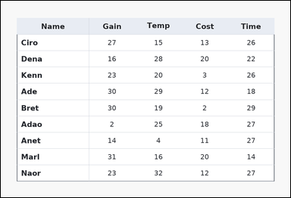 | 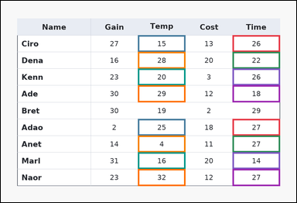 | task_tables_statistics_filtered_subset_label | filtered_argmax | Look at the table in the image. It shows a ledger-style table with one Name column, several numeric columns, strong horizontal rules, and minimal vertical separators. Use the table values to filter the rows and then identify the winning row in the named target column. Filter the rows to those with values in Time from 12 to 27 inclusive. Which row label has the largest Temp value? Return a valid JSON object with keys "evidence" and "answer" in that order. Evidence requirement: set "evidence" to an array containing the ordered supporting cell pairs [filter cell, target cell] for each selected row in top-to-bottom row order. Answer format: set "answer" to the exact row-name string from the filtered rows. Example JSON: {"evidence":[[260,180,372,236],[374,180,486,236],[260,236,372,292],[374,236,486,292]],"answer":"Ava"} | Look at the table in the image. It shows a ledger-style table with one Name column, several numeric columns, strong horizontal rules, and minimal vertical separators. Use the table values to filter the rows and then identify the winning row in the named target column. Filter the rows to those with values in Time from 12 to 27 inclusive. Which row label has the largest Temp value? Return a valid JSON object with key "answer". Answer format: set "answer" to the exact row-name string from the filtered rows. Example JSON: {"answer":"Ava"} | {"evidence": [[737.52, 109.2, 888.0, 162.4], [436.56, 109.2, 587.04, 162.4], [737.52, 162.4, 888.0, 215.6], [436.56, 162.4, 587.04, 215.6], [737.52, 215.6, 888.0, 268.8], [436.56, 215.6, 587.04, 268.8], [737.52, 268.8, 888.0, 322.0], [436.56, 268.8, 587.04, 322.0], [737.52, 375.2, 888.0, 428.4], [436.56, 375.2, 587.04, 428.4], [737.52, 428.4, 888.0, 481.6], [436.56, 428.4, 587.04, 481.6], [737.52, 481.6, 888.0, 534.8], [436.56, 481.6, 587.04, 534.8], [737.52, 534.8, 888.0, 588.0], [436.56, 534.8, 587.04, 588.0]], "answer": "Naor"} | [[737.52, 109.2, 888.0, 162.4], [436.56, 109.2, 587.04, 162.4], [737.52, 162.4, 888.0, 215.6], [436.56, 162.4, 587.04, 215.6], [737.52, 215.6, 888.0, 268.8], [436.56, 215.6, 587.04, 268.8], [737.52, 268.8, 888.0, 322.0], [436.56, 268.8, 587.04, 322.0], [737.52, 375.2, 888.0, 428.4], [436.56, 375.2, 587.04, 428.4], [737.52, 428.4, 888.0, 481.6], [436.56, 428.4, 587.04, 481.6], [737.52, 481.6, 888.0, 534.8], [436.56, 481.6, 587.04, 534.8], [737.52, 534.8, 888.0, 588.0], [436.56, 534.8, 587.04, 588.0]] | string | bbox_set | 2.2984643311E+15 | tables/task_tables_statistics_filtered_subset_label/images/filtered_argmax/0019.png | tables/task_tables_statistics_filtered_subset_label/data/filtered_argmax/0019.json
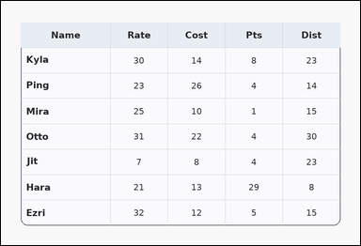 | 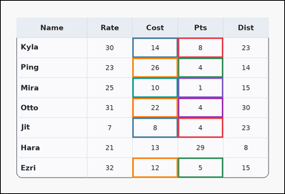 | task_tables_statistics_filtered_subset_label | filtered_argmax | The image shows a card-style table with one Name column, several numeric columns, a rounded outer frame, and a shaded header row. Read the table, keep the rows that satisfy the filter, and report the row that wins in the target column. After filtering to rows where values in Pts less than 11, identify the row with the maximum Cost value. Return a valid JSON object with keys "evidence" and "answer" in that order. Evidence rule: set "evidence" to an array containing the ordered supporting cell pairs [filter cell, target cell] for each selected row in top-to-bottom row order. Answer rule: set "answer" to the exact row-name string from the filtered rows. Example JSON: {"evidence":[[260,180,372,236],[374,180,486,236],[260,236,372,292],[374,236,486,292]],"answer":"Ava"} | The image shows a card-style table with one Name column, several numeric columns, a rounded outer frame, and a shaded header row. Read the table, keep the rows that satisfy the filter, and report the row that wins in the target column. After filtering to rows where values in Pts less than 11, identify the row with the maximum Cost value. Return a valid JSON object with key "answer". Answer rule: set "answer" to the exact row-name string from the filtered rows. Example JSON: {"answer":"Ava"} | {"evidence": [[587.04, 122.5, 737.52, 189.0], [436.56, 122.5, 587.04, 189.0], [587.04, 189.0, 737.52, 255.5], [436.56, 189.0, 587.04, 255.5], [587.04, 255.5, 737.52, 322.0], [436.56, 255.5, 587.04, 322.0], [587.04, 322.0, 737.52, 388.5], [436.56, 322.0, 587.04, 388.5], [587.04, 388.5, 737.52, 455.0], [436.56, 388.5, 587.04, 455.0], [587.04, 521.5, 737.52, 588.0], [436.56, 521.5, 587.04, 588.0]], "answer": "Ping"} | [[587.04, 122.5, 737.52, 189.0], [436.56, 122.5, 587.04, 189.0], [587.04, 189.0, 737.52, 255.5], [436.56, 189.0, 587.04, 255.5], [587.04, 255.5, 737.52, 322.0], [436.56, 255.5, 587.04, 322.0], [587.04, 322.0, 737.52, 388.5], [436.56, 322.0, 587.04, 388.5], [587.04, 388.5, 737.52, 455.0], [436.56, 388.5, 587.04, 455.0], [587.04, 521.5, 737.52, 588.0], [436.56, 521.5, 587.04, 588.0]] | string | bbox_set | 2.6353906859E+15 | tables/task_tables_statistics_filtered_subset_label/images/filtered_argmax/0008.png | tables/task_tables_statistics_filtered_subset_label/data/filtered_argmax/0008.json
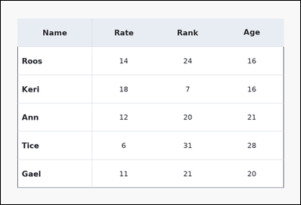 | 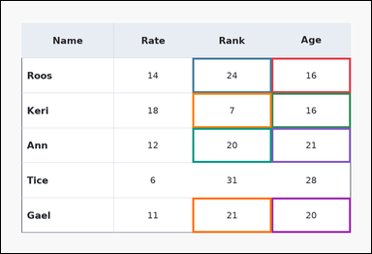 | task_tables_statistics_filtered_subset_label | filtered_argmax | Look at the table in the image. It shows a ledger-style table with one Name column, several numeric columns, strong horizontal rules, and minimal vertical separators. Find the row name with the requested target-column extremum after applying the stated row filter. Filter the rows to those with values in Age from 15 to 25 inclusive. Which row label has the largest Rank value? Return a valid JSON object with keys "evidence" and "answer" in that order. Evidence requirement: set "evidence" to an array containing the ordered supporting cell pairs [filter cell, target cell] for each selected row in top-to-bottom row order. Answer format: set "answer" to the exact row-name string from the filtered rows. Example JSON: {"evidence":[[260,180,372,236],[374,180,486,236],[260,236,372,292],[374,236,486,292]],"answer":"Ava"} | Look at the table in the image. It shows a ledger-style table with one Name column, several numeric columns, strong horizontal rules, and minimal vertical separators. Find the row name with the requested target-column extremum after applying the stated row filter. Filter the rows to those with values in Age from 15 to 25 inclusive. Which row label has the largest Rank value? Return a valid JSON object with key "answer". Answer requirement: set "answer" to the exact row-name string from the filtered rows. Example JSON: {"answer":"Ava"} | {"evidence": [[687.36, 144.667, 888.0, 233.333], [486.72, 144.667, 687.36, 233.333], [687.36, 233.333, 888.0, 322.0], [486.72, 233.333, 687.36, 322.0], [687.36, 322.0, 888.0, 410.667], [486.72, 322.0, 687.36, 410.667], [687.36, 499.333, 888.0, 588.0], [486.72, 499.333, 687.36, 588.0]], "answer": "Roos"} | [[687.36, 144.667, 888.0, 233.333], [486.72, 144.667, 687.36, 233.333], [687.36, 233.333, 888.0, 322.0], [486.72, 233.333, 687.36, 322.0], [687.36, 322.0, 888.0, 410.667], [486.72, 322.0, 687.36, 410.667], [687.36, 499.333, 888.0, 588.0], [486.72, 499.333, 687.36, 588.0]] | string | bbox_set | 3.692796331E+15 | tables/task_tables_statistics_filtered_subset_label/images/filtered_argmax/0002.png | tables/task_tables_statistics_filtered_subset_label/data/filtered_argmax/0002.json
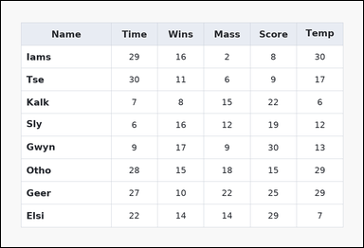 | 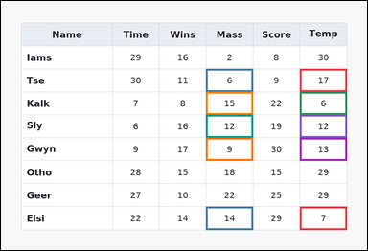 | task_tables_statistics_filtered_subset_label | filtered_argmax | Work from the styled table shown in the image: a spreadsheet-style table with one Name column, several numeric columns, full grid lines, and a shaded header row. Answer this question. Filter the rows to those with values in Temp less than 29. Which row label has the largest Mass value? Return a valid JSON object with keys "evidence" and "answer" in that order. Evidence format: set "evidence" to an array containing the ordered supporting cell pairs [filter cell, target cell] for each selected row in top-to-bottom row order. Answer requirement: set "answer" to the exact row-name string from the filtered rows. Example JSON: {"evidence":[[260,180,372,236],[374,180,486,236],[260,236,372,292],[374,236,486,292]],"answer":"Ava"} | Work from the styled table shown in the image: a spreadsheet-style table with one Name column, several numeric columns, full grid lines, and a shaded header row. Answer this question. Filter the rows to those with values in Temp less than 29. Which row label has the largest Mass value? Return a valid JSON object with key "answer". Answer rule: set "answer" to the exact row-name string from the filtered rows. Example JSON: {"answer":"Ava"} | {"evidence": [[767.616, 174.222, 888.0, 233.333], [526.848, 174.222, 647.232, 233.333], [767.616, 233.333, 888.0, 292.444], [526.848, 233.333, 647.232, 292.444], [767.616, 292.444, 888.0, 351.556], [526.848, 292.444, 647.232, 351.556], [767.616, 351.556, 888.0, 410.667], [526.848, 351.556, 647.232, 410.667], [767.616, 528.889, 888.0, 588.0], [526.848, 528.889, 647.232, 588.0]], "answer": "Kalk"} | [[767.616, 174.222, 888.0, 233.333], [526.848, 174.222, 647.232, 233.333], [767.616, 233.333, 888.0, 292.444], [526.848, 233.333, 647.232, 292.444], [767.616, 292.444, 888.0, 351.556], [526.848, 292.444, 647.232, 351.556], [767.616, 351.556, 888.0, 410.667], [526.848, 351.556, 647.232, 410.667], [767.616, 528.889, 888.0, 588.0], [526.848, 528.889, 647.232, 588.0]] | string | bbox_set | 4.0317325404E+15 | tables/task_tables_statistics_filtered_subset_label/images/filtered_argmax/0005.png | tables/task_tables_statistics_filtered_subset_label/data/filtered_argmax/0005.json
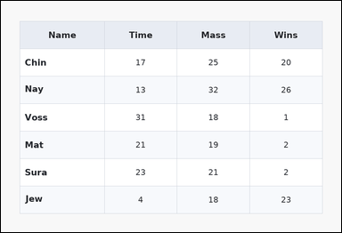 | 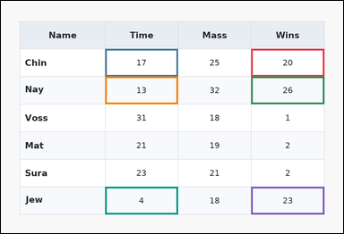 | task_tables_statistics_filtered_subset_label | filtered_argmax | Work from the styled table shown in the image: a zebra-striped table with one Name column, several numeric columns, alternating row shading, and a shaded header row. Read the table, keep the rows that satisfy the filter, and report the row that wins in the target column. What row name has the highest Time value among rows whose Wins entries satisfy values in Wins greater than 4? Return a valid JSON object with keys "evidence" and "answer" in that order. Evidence format: set "evidence" to an array containing the ordered supporting cell pairs [filter cell, target cell] for each selected row in top-to-bottom row order. Answer requirement: set "answer" to the exact row-name string from the filtered rows. Example JSON: {"evidence":[[260,180,372,236],[374,180,486,236],[260,236,372,292],[374,236,486,292]],"answer":"Ava"} | Work from the styled table shown in the image: a zebra-striped table with one Name column, several numeric columns, alternating row shading, and a shaded header row. Read the table, keep the rows that satisfy the filter, and report the row that wins in the target column. What row name has the highest Time value among rows whose Wins entries satisfy values in Wins greater than 4? Return a valid JSON object with key "answer". Answer: set "answer" to the exact row-name string from the filtered rows. Example JSON: {"answer":"Ava"} | {"evidence": [[687.36, 132.0, 888.0, 208.0], [286.08, 132.0, 486.72, 208.0], [687.36, 208.0, 888.0, 284.0], [286.08, 208.0, 486.72, 284.0], [687.36, 512.0, 888.0, 588.0], [286.08, 512.0, 486.72, 588.0]], "answer": "Chin"} | [[687.36, 132.0, 888.0, 208.0], [286.08, 132.0, 486.72, 208.0], [687.36, 208.0, 888.0, 284.0], [286.08, 208.0, 486.72, 284.0], [687.36, 512.0, 888.0, 588.0], [286.08, 512.0, 486.72, 588.0]] | string | bbox_set | 4.3564433623E+15 | tables/task_tables_statistics_filtered_subset_label/images/filtered_argmax/0022.png | tables/task_tables_statistics_filtered_subset_label/data/filtered_argmax/0022.json
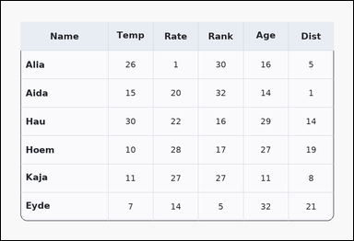 | 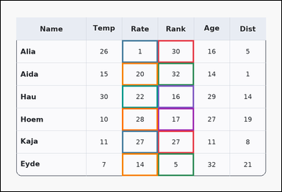 | task_tables_statistics_filtered_subset_label | filtered_argmax | Work from the styled table shown in the image: a card-style table with one Name column, several numeric columns, a rounded outer frame, and a shaded header row. Answer this question. Using only the rows with values in Rank less than 33, determine which row has the maximum value in Rate. Return a valid JSON object with keys "evidence" and "answer" in that order. Evidence requirement: set "evidence" to an array containing the ordered supporting cell pairs [filter cell, target cell] for each selected row in top-to-bottom row order. Answer format: set "answer" to the exact row-name string from the filtered rows. Example JSON: {"evidence":[[260,180,372,236],[374,180,486,236],[260,236,372,292],[374,236,486,292]],"answer":"Ava"} | Work from the styled table shown in the image: a card-style table with one Name column, several numeric columns, a rounded outer frame, and a shaded header row. Answer this question. Using only the rows with values in Rank less than 33, determine which row has the maximum value in Rate. Return a valid JSON object with key "answer". Answer rule: set "answer" to the exact row-name string from the filtered rows. Example JSON: {"answer":"Ava"} | {"evidence": [[526.848, 132.0, 647.232, 208.0], [406.464, 132.0, 526.848, 208.0], [526.848, 208.0, 647.232, 284.0], [406.464, 208.0, 526.848, 284.0], [526.848, 284.0, 647.232, 360.0], [406.464, 284.0, 526.848, 360.0], [526.848, 360.0, 647.232, 436.0], [406.464, 360.0, 526.848, 436.0], [526.848, 436.0, 647.232, 512.0], [406.464, 436.0, 526.848, 512.0], [526.848, 512.0, 647.232, 588.0], [406.464, 512.0, 526.848, 588.0]], "answer": "Hoem"} | [[526.848, 132.0, 647.232, 208.0], [406.464, 132.0, 526.848, 208.0], [526.848, 208.0, 647.232, 284.0], [406.464, 208.0, 526.848, 284.0], [526.848, 284.0, 647.232, 360.0], [406.464, 284.0, 526.848, 360.0], [526.848, 360.0, 647.232, 436.0], [406.464, 360.0, 526.848, 436.0], [526.848, 436.0, 647.232, 512.0], [406.464, 436.0, 526.848, 512.0], [526.848, 512.0, 647.232, 588.0], [406.464, 512.0, 526.848, 588.0]] | string | bbox_set | 5.2553605454E+15 | tables/task_tables_statistics_filtered_subset_label/images/filtered_argmax/0004.png | tables/task_tables_statistics_filtered_subset_label/data/filtered_argmax/0004.json
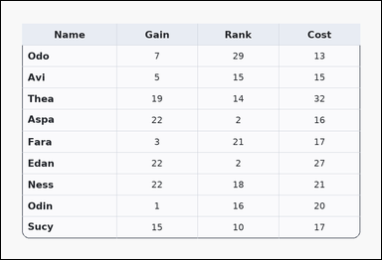 | 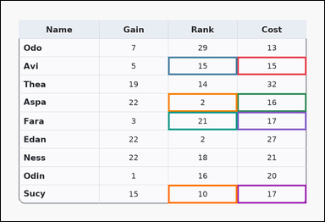 | task_tables_statistics_filtered_subset_label | filtered_argmax | Use the table in the image. It shows a card-style table with one Name column, several numeric columns, a rounded outer frame, and a shaded header row. Determine which selected row wins under the requested target-column extremum after applying the filter condition. What row name has the highest Rank value among rows whose Cost entries satisfy values in Cost from 15 to 17 inclusive? Return a valid JSON object with keys "evidence" and "answer" in that order. Evidence format: set "evidence" to an array containing the ordered supporting cell pairs [filter cell, target cell] for each selected row in top-to-bottom row order. Answer requirement: set "answer" to the exact row-name string from the filtered rows. Example JSON: {"evidence":[[260,180,372,236],[374,180,486,236],[260,236,372,292],[374,236,486,292]],"answer":"Ava"} | Use the table in the image. It shows a card-style table with one Name column, several numeric columns, a rounded outer frame, and a shaded header row. Determine which selected row wins under the requested target-column extremum after applying the filter condition. What row name has the highest Rank value among rows whose Cost entries satisfy values in Cost from 15 to 17 inclusive? Return a valid JSON object with key "answer". Answer requirement: set "answer" to the exact row-name string from the filtered rows. Example JSON: {"answer":"Ava"} | {"evidence": [[687.36, 162.4, 888.0, 215.6], [486.72, 162.4, 687.36, 215.6], [687.36, 268.8, 888.0, 322.0], [486.72, 268.8, 687.36, 322.0], [687.36, 322.0, 888.0, 375.2], [486.72, 322.0, 687.36, 375.2], [687.36, 534.8, 888.0, 588.0], [486.72, 534.8, 687.36, 588.0]], "answer": "Fara"} | [[687.36, 162.4, 888.0, 215.6], [486.72, 162.4, 687.36, 215.6], [687.36, 268.8, 888.0, 322.0], [486.72, 268.8, 687.36, 322.0], [687.36, 322.0, 888.0, 375.2], [486.72, 322.0, 687.36, 375.2], [687.36, 534.8, 888.0, 588.0], [486.72, 534.8, 687.36, 588.0]] | string | bbox_set | 5.5346206197E+15 | tables/task_tables_statistics_filtered_subset_label/images/filtered_argmax/0000.png | tables/task_tables_statistics_filtered_subset_label/data/filtered_argmax/0000.json
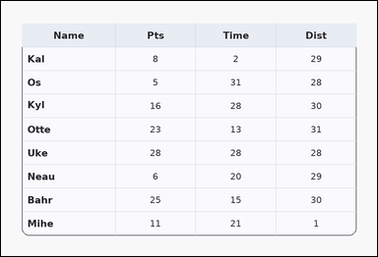 | 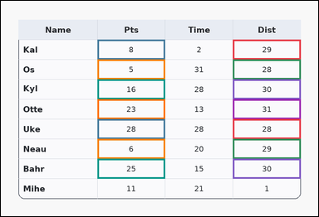 | task_tables_statistics_filtered_subset_label | filtered_argmax | Use the table in the image. It shows a card-style table with one Name column, several numeric columns, a rounded outer frame, and a shaded header row. Use the table values to filter the rows and then identify the winning row in the named target column. After filtering to rows where values in Dist from 28 to 31 inclusive, identify the row with the maximum Pts value. Return a valid JSON object with keys "evidence" and "answer" in that order. Evidence: set "evidence" to an array containing the ordered supporting cell pairs [filter cell, target cell] for each selected row in top-to-bottom row order. Answer: set "answer" to the exact row-name string from the filtered rows. Example JSON: {"evidence":[[260,180,372,236],[374,180,486,236],[260,236,372,292],[374,236,486,292]],"answer":"Ava"} | Use the table in the image. It shows a card-style table with one Name column, several numeric columns, a rounded outer frame, and a shaded header row. Use the table values to filter the rows and then identify the winning row in the named target column. After filtering to rows where values in Dist from 28 to 31 inclusive, identify the row with the maximum Pts value. Return a valid JSON object with key "answer". Answer field: set "answer" to the exact row-name string from the filtered rows. Example JSON: {"answer":"Ava"} | {"evidence": [[687.36, 115.111, 888.0, 174.222], [286.08, 115.111, 486.72, 174.222], [687.36, 174.222, 888.0, 233.333], [286.08, 174.222, 486.72, 233.333], [687.36, 233.333, 888.0, 292.444], [286.08, 233.333, 486.72, 292.444], [687.36, 292.444, 888.0, 351.556], [286.08, 292.444, 486.72, 351.556], [687.36, 351.556, 888.0, 410.667], [286.08, 351.556, 486.72, 410.667], [687.36, 410.667, 888.0, 469.778], [286.08, 410.667, 486.72, 469.778], [687.36, 469.778, 888.0, 528.889], [286.08, 469.778, 486.72, 528.889]], "answer": "Uke"} | [[687.36, 115.111, 888.0, 174.222], [286.08, 115.111, 486.72, 174.222], [687.36, 174.222, 888.0, 233.333], [286.08, 174.222, 486.72, 233.333], [687.36, 233.333, 888.0, 292.444], [286.08, 233.333, 486.72, 292.444], [687.36, 292.444, 888.0, 351.556], [286.08, 292.444, 486.72, 351.556], [687.36, 351.556, 888.0, 410.667], [286.08, 351.556, 486.72, 410.667], [687.36, 410.667, 888.0, 469.778], [286.08, 410.667, 486.72, 469.778], [687.36, 469.778, 888.0, 528.889], [286.08, 469.778, 486.72, 528.889]] | string | bbox_set | 5.6996823378E+15 | tables/task_tables_statistics_filtered_subset_label/images/filtered_argmax/0009.png | tables/task_tables_statistics_filtered_subset_label/data/filtered_argmax/0009.json
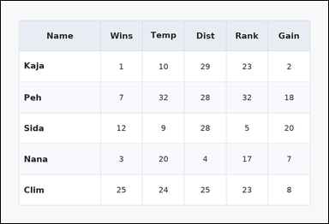 | 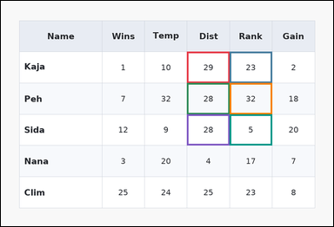 | task_tables_statistics_filtered_subset_label | filtered_argmax | Work from the styled table shown in the image: a zebra-striped table with one Name column, several numeric columns, alternating row shading, and a shaded header row. Find the row name with the requested target-column extremum after applying the stated row filter. What row name has the highest Rank value among rows whose Dist entries satisfy values in Dist from 27 to 32 inclusive? Return a valid JSON object with keys "evidence" and "answer" in that order. Evidence field: set "evidence" to an array containing the ordered supporting cell pairs [filter cell, target cell] for each selected row in top-to-bottom row order. Answer field: set "answer" to the exact row-name string from the filtered rows. Example JSON: {"evidence":[[260,180,372,236],[374,180,486,236],[260,236,372,292],[374,236,486,292]],"answer":"Ava"} | Work from the styled table shown in the image: a zebra-striped table with one Name column, several numeric columns, alternating row shading, and a shaded header row. Find the row name with the requested target-column extremum after applying the stated row filter. What row name has the highest Rank value among rows whose Dist entries satisfy values in Dist from 27 to 32 inclusive? Return a valid JSON object with key "answer". Answer requirement: set "answer" to the exact row-name string from the filtered rows. Example JSON: {"answer":"Ava"} | {"evidence": [[526.848, 144.667, 647.232, 233.333], [647.232, 144.667, 767.616, 233.333], [526.848, 233.333, 647.232, 322.0], [647.232, 233.333, 767.616, 322.0], [526.848, 322.0, 647.232, 410.667], [647.232, 322.0, 767.616, 410.667]], "answer": "Peh"} | [[526.848, 144.667, 647.232, 233.333], [647.232, 144.667, 767.616, 233.333], [526.848, 233.333, 647.232, 322.0], [647.232, 233.333, 767.616, 322.0], [526.848, 322.0, 647.232, 410.667], [647.232, 322.0, 767.616, 410.667]] | string | bbox_set | 5.929557029E+15 | tables/task_tables_statistics_filtered_subset_label/images/filtered_argmax/0006.png | tables/task_tables_statistics_filtered_subset_label/data/filtered_argmax/0006.json
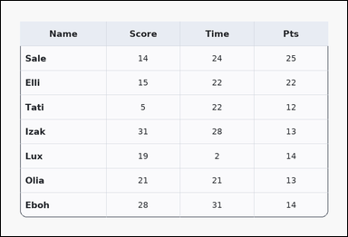 | 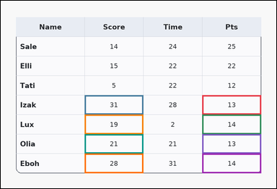 | task_tables_statistics_filtered_subset_label | filtered_argmax | The image shows a card-style table with one Name column, several numeric columns, a rounded outer frame, and a shaded header row. Determine which selected row wins under the requested target-column extremum after applying the filter condition. Using only the rows with values in Pts from 13 to 14 inclusive, determine which row has the maximum value in Score. Return a valid JSON object with keys "evidence" and "answer" in that order. Evidence format: set "evidence" to an array containing the ordered supporting cell pairs [filter cell, target cell] for each selected row in top-to-bottom row order. Answer requirement: set "answer" to the exact row-name string from the filtered rows. Example JSON: {"evidence":[[260,180,372,236],[374,180,486,236],[260,236,372,292],[374,236,486,292]],"answer":"Ava"} | The image shows a card-style table with one Name column, several numeric columns, a rounded outer frame, and a shaded header row. Determine which selected row wins under the requested target-column extremum after applying the filter condition. Using only the rows with values in Pts from 13 to 14 inclusive, determine which row has the maximum value in Score. Return a valid JSON object with key "answer". Answer field: set "answer" to the exact row-name string from the filtered rows. Example JSON: {"answer":"Ava"} | {"evidence": [[687.36, 322.0, 888.0, 388.5], [286.08, 322.0, 486.72, 388.5], [687.36, 388.5, 888.0, 455.0], [286.08, 388.5, 486.72, 455.0], [687.36, 455.0, 888.0, 521.5], [286.08, 455.0, 486.72, 521.5], [687.36, 521.5, 888.0, 588.0], [286.08, 521.5, 486.72, 588.0]], "answer": "Izak"} | [[687.36, 322.0, 888.0, 388.5], [286.08, 322.0, 486.72, 388.5], [687.36, 388.5, 888.0, 455.0], [286.08, 388.5, 486.72, 455.0], [687.36, 455.0, 888.0, 521.5], [286.08, 455.0, 486.72, 521.5], [687.36, 521.5, 888.0, 588.0], [286.08, 521.5, 486.72, 588.0]] | string | bbox_set | 6.0886676494E+15 | tables/task_tables_statistics_filtered_subset_label/images/filtered_argmax/0010.png | tables/task_tables_statistics_filtered_subset_label/data/filtered_argmax/0010.json
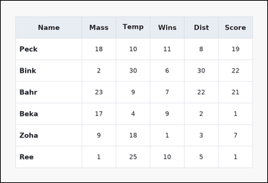 | 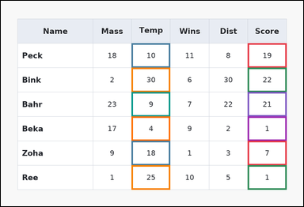 | task_tables_statistics_filtered_subset_label | filtered_argmax | The image shows a spreadsheet-style table with one Name column, several numeric columns, full grid lines, and a shaded header row. Answer this question. After filtering to rows where values in Score from 1 to 32 inclusive, identify the row with the maximum Temp value. Return a valid JSON object with keys "evidence" and "answer" in that order. Evidence field: set "evidence" to an array containing the ordered supporting cell pairs [filter cell, target cell] for each selected row in top-to-bottom row order. Answer field: set "answer" to the exact row-name string from the filtered rows. Example JSON: {"evidence":[[260,180,372,236],[374,180,486,236],[260,236,372,292],[374,236,486,292]],"answer":"Ava"} | The image shows a spreadsheet-style table with one Name column, several numeric columns, full grid lines, and a shaded header row. Answer this question. After filtering to rows where values in Score from 1 to 32 inclusive, identify the row with the maximum Temp value. Return a valid JSON object with key "answer". Answer: set "answer" to the exact row-name string from the filtered rows. Example JSON: {"answer":"Ava"} | {"evidence": [[767.616, 132.0, 888.0, 208.0], [406.464, 132.0, 526.848, 208.0], [767.616, 208.0, 888.0, 284.0], [406.464, 208.0, 526.848, 284.0], [767.616, 284.0, 888.0, 360.0], [406.464, 284.0, 526.848, 360.0], [767.616, 360.0, 888.0, 436.0], [406.464, 360.0, 526.848, 436.0], [767.616, 436.0, 888.0, 512.0], [406.464, 436.0, 526.848, 512.0], [767.616, 512.0, 888.0, 588.0], [406.464, 512.0, 526.848, 588.0]], "answer": "Bink"} | [[767.616, 132.0, 888.0, 208.0], [406.464, 132.0, 526.848, 208.0], [767.616, 208.0, 888.0, 284.0], [406.464, 208.0, 526.848, 284.0], [767.616, 284.0, 888.0, 360.0], [406.464, 284.0, 526.848, 360.0], [767.616, 360.0, 888.0, 436.0], [406.464, 360.0, 526.848, 436.0], [767.616, 436.0, 888.0, 512.0], [406.464, 436.0, 526.848, 512.0], [767.616, 512.0, 888.0, 588.0], [406.464, 512.0, 526.848, 588.0]] | string | bbox_set | 6.2374594338E+15 | tables/task_tables_statistics_filtered_subset_label/images/filtered_argmax/0001.png | tables/task_tables_statistics_filtered_subset_label/data/filtered_argmax/0001.json
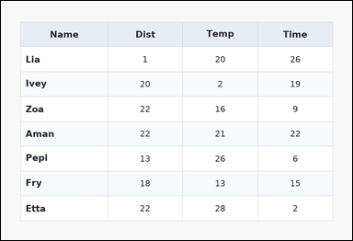 | 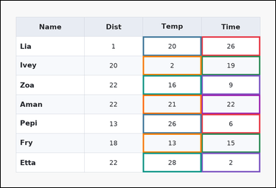 | task_tables_statistics_filtered_subset_label | filtered_argmax | The image shows a zebra-striped table with one Name column, several numeric columns, alternating row shading, and a shaded header row. Read the table, keep the rows that satisfy the filter, and report the row that wins in the target column. Among the rows with values in Time greater than 0, which row has the highest value in the Temp column? Return a valid JSON object with keys "evidence" and "answer" in that order. Evidence format: set "evidence" to an array containing the ordered supporting cell pairs [filter cell, target cell] for each selected row in top-to-bottom row order. Answer requirement: set "answer" to the exact row-name string from the filtered rows. Example JSON: {"evidence":[[260,180,372,236],[374,180,486,236],[260,236,372,292],[374,236,486,292]],"answer":"Ava"} | The image shows a zebra-striped table with one Name column, several numeric columns, alternating row shading, and a shaded header row. Read the table, keep the rows that satisfy the filter, and report the row that wins in the target column. Among the rows with values in Time greater than 0, which row has the highest value in the Temp column? Return a valid JSON object with key "answer". Answer field: set "answer" to the exact row-name string from the filtered rows. Example JSON: {"answer":"Ava"} | {"evidence": [[687.36, 122.5, 888.0, 189.0], [486.72, 122.5, 687.36, 189.0], [687.36, 189.0, 888.0, 255.5], [486.72, 189.0, 687.36, 255.5], [687.36, 255.5, 888.0, 322.0], [486.72, 255.5, 687.36, 322.0], [687.36, 322.0, 888.0, 388.5], [486.72, 322.0, 687.36, 388.5], [687.36, 388.5, 888.0, 455.0], [486.72, 388.5, 687.36, 455.0], [687.36, 455.0, 888.0, 521.5], [486.72, 455.0, 687.36, 521.5], [687.36, 521.5, 888.0, 588.0], [486.72, 521.5, 687.36, 588.0]], "answer": "Etta"} | [[687.36, 122.5, 888.0, 189.0], [486.72, 122.5, 687.36, 189.0], [687.36, 189.0, 888.0, 255.5], [486.72, 189.0, 687.36, 255.5], [687.36, 255.5, 888.0, 322.0], [486.72, 255.5, 687.36, 322.0], [687.36, 322.0, 888.0, 388.5], [486.72, 322.0, 687.36, 388.5], [687.36, 388.5, 888.0, 455.0], [486.72, 388.5, 687.36, 455.0], [687.36, 455.0, 888.0, 521.5], [486.72, 455.0, 687.36, 521.5], [687.36, 521.5, 888.0, 588.0], [486.72, 521.5, 687.36, 588.0]] | string | bbox_set | 6.9983065142E+15 | tables/task_tables_statistics_filtered_subset_label/images/filtered_argmax/0011.png | tables/task_tables_statistics_filtered_subset_label/data/filtered_argmax/0011.json
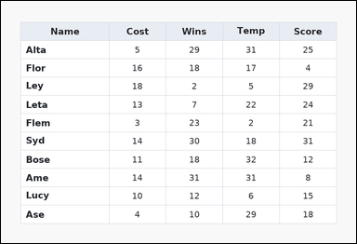 | 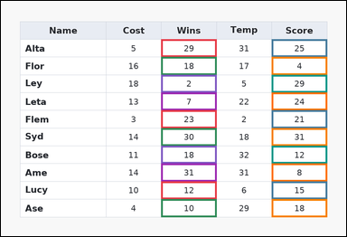 | task_tables_statistics_filtered_subset_label | filtered_argmax | Use the table in the image. It shows a spreadsheet-style table with one Name column, several numeric columns, full grid lines, and a shaded header row. Find the row name with the requested target-column extremum after applying the stated row filter. Filter the rows to those with values in Wins greater than 0. Which row label has the largest Score value? Return a valid JSON object with keys "evidence" and "answer" in that order. Evidence format: set "evidence" to an array containing the ordered supporting cell pairs [filter cell, target cell] for each selected row in top-to-bottom row order. Answer requirement: set "answer" to the exact row-name string from the filtered rows. Example JSON: {"evidence":[[260,180,372,236],[374,180,486,236],[260,236,372,292],[374,236,486,292]],"answer":"Ava"} | Use the table in the image. It shows a spreadsheet-style table with one Name column, several numeric columns, full grid lines, and a shaded header row. Find the row name with the requested target-column extremum after applying the stated row filter. Filter the rows to those with values in Wins greater than 0. Which row label has the largest Score value? Return a valid JSON object with key "answer". Answer: set "answer" to the exact row-name string from the filtered rows. Example JSON: {"answer":"Ava"} | {"evidence": [[436.56, 104.364, 587.04, 152.727], [737.52, 104.364, 888.0, 152.727], [436.56, 152.727, 587.04, 201.091], [737.52, 152.727, 888.0, 201.091], [436.56, 201.091, 587.04, 249.455], [737.52, 201.091, 888.0, 249.455], [436.56, 249.455, 587.04, 297.818], [737.52, 249.455, 888.0, 297.818], [436.56, 297.818, 587.04, 346.182], [737.52, 297.818, 888.0, 346.182], [436.56, 346.182, 587.04, 394.545], [737.52, 346.182, 888.0, 394.545], [436.56, 394.545, 587.04, 442.909], [737.52, 394.545, 888.0, 442.909], [436.56, 442.909, 587.04, 491.273], [737.52, 442.909, 888.0, 491.273], [436.56, 491.273, 587.04, 539.636], [737.52, 491.273, 888.0, 539.636], [436.56, 539.636, 587.04, 588.0], [737.52, 539.636, 888.0, 588.0]], "answer": "Syd"} | [[436.56, 104.364, 587.04, 152.727], [737.52, 104.364, 888.0, 152.727], [436.56, 152.727, 587.04, 201.091], [737.52, 152.727, 888.0, 201.091], [436.56, 201.091, 587.04, 249.455], [737.52, 201.091, 888.0, 249.455], [436.56, 249.455, 587.04, 297.818], [737.52, 249.455, 888.0, 297.818], [436.56, 297.818, 587.04, 346.182], [737.52, 297.818, 888.0, 346.182], [436.56, 346.182, 587.04, 394.545], [737.52, 346.182, 888.0, 394.545], [436.56, 394.545, 587.04, 442.909], [737.52, 394.545, 888.0, 442.909], [436.56, 442.909, 587.04, 491.273], [737.52, 442.909, 888.0, 491.273], [436.56, 491.273, 587.04, 539.636], [737.52, 491.273, 888.0, 539.636], [436.56, 539.636, 587.04, 588.0], [737.52, 539.636, 888.0, 588.0]] | string | bbox_set | 7.0736061649E+15 | tables/task_tables_statistics_filtered_subset_label/images/filtered_argmax/0007.png | tables/task_tables_statistics_filtered_subset_label/data/filtered_argmax/0007.json
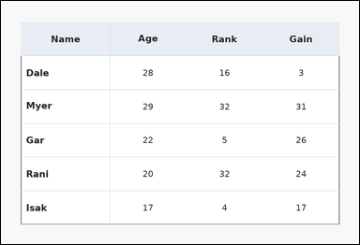 | 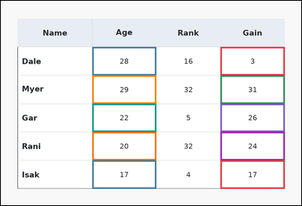 | task_tables_statistics_filtered_subset_label | filtered_argmax | The image shows a ledger-style table with one Name column, several numeric columns, strong horizontal rules, and minimal vertical separators. Answer this question. After filtering to rows where values in Gain less than 33, identify the row with the maximum Age value. Return a valid JSON object with keys "evidence" and "answer" in that order. Evidence field: set "evidence" to an array containing the ordered supporting cell pairs [filter cell, target cell] for each selected row in top-to-bottom row order. Answer field: set "answer" to the exact row-name string from the filtered rows. Example JSON: {"evidence":[[260,180,372,236],[374,180,486,236],[260,236,372,292],[374,236,486,292]],"answer":"Ava"} | The image shows a ledger-style table with one Name column, several numeric columns, strong horizontal rules, and minimal vertical separators. Answer this question. After filtering to rows where values in Gain less than 33, identify the row with the maximum Age value. Return a valid JSON object with key "answer". Answer format: set "answer" to the exact row-name string from the filtered rows. Example JSON: {"answer":"Ava"} | {"evidence": [[687.36, 144.667, 888.0, 233.333], [286.08, 144.667, 486.72, 233.333], [687.36, 233.333, 888.0, 322.0], [286.08, 233.333, 486.72, 322.0], [687.36, 322.0, 888.0, 410.667], [286.08, 322.0, 486.72, 410.667], [687.36, 410.667, 888.0, 499.333], [286.08, 410.667, 486.72, 499.333], [687.36, 499.333, 888.0, 588.0], [286.08, 499.333, 486.72, 588.0]], "answer": "Myer"} | [[687.36, 144.667, 888.0, 233.333], [286.08, 144.667, 486.72, 233.333], [687.36, 233.333, 888.0, 322.0], [286.08, 233.333, 486.72, 322.0], [687.36, 322.0, 888.0, 410.667], [286.08, 322.0, 486.72, 410.667], [687.36, 410.667, 888.0, 499.333], [286.08, 410.667, 486.72, 499.333], [687.36, 499.333, 888.0, 588.0], [286.08, 499.333, 486.72, 588.0]] | string | bbox_set | 7.7204793883E+15 | tables/task_tables_statistics_filtered_subset_label/images/filtered_argmax/0003.png | tables/task_tables_statistics_filtered_subset_label/data/filtered_argmax/0003.json
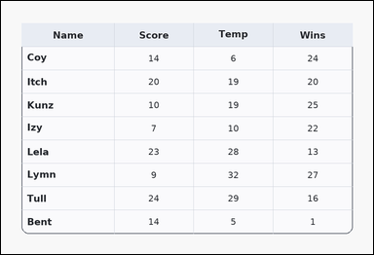 | 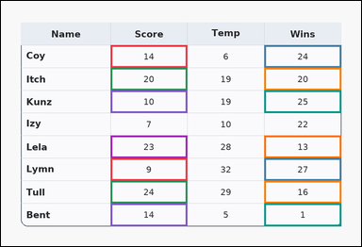 | task_tables_statistics_filtered_subset_label | filtered_argmax | Look at the table in the image. It shows a card-style table with one Name column, several numeric columns, a rounded outer frame, and a shaded header row. Use the table values to filter the rows and then identify the winning row in the named target column. Filter the rows to those with values in Score from 8 to 24 inclusive. Which row label has the largest Wins value? Return a valid JSON object with keys "evidence" and "answer" in that order. Evidence rule: set "evidence" to an array containing the ordered supporting cell pairs [filter cell, target cell] for each selected row in top-to-bottom row order. Answer rule: set "answer" to the exact row-name string from the filtered rows. Example JSON: {"evidence":[[260,180,372,236],[374,180,486,236],[260,236,372,292],[374,236,486,292]],"answer":"Ava"} | Look at the table in the image. It shows a card-style table with one Name column, several numeric columns, a rounded outer frame, and a shaded header row. Use the table values to filter the rows and then identify the winning row in the named target column. Filter the rows to those with values in Score from 8 to 24 inclusive. Which row label has the largest Wins value? Return a valid JSON object with key "answer". Answer format: set "answer" to the exact row-name string from the filtered rows. Example JSON: {"answer":"Ava"} | {"evidence": [[286.08, 115.111, 486.72, 174.222], [687.36, 115.111, 888.0, 174.222], [286.08, 174.222, 486.72, 233.333], [687.36, 174.222, 888.0, 233.333], [286.08, 233.333, 486.72, 292.444], [687.36, 233.333, 888.0, 292.444], [286.08, 351.556, 486.72, 410.667], [687.36, 351.556, 888.0, 410.667], [286.08, 410.667, 486.72, 469.778], [687.36, 410.667, 888.0, 469.778], [286.08, 469.778, 486.72, 528.889], [687.36, 469.778, 888.0, 528.889], [286.08, 528.889, 486.72, 588.0], [687.36, 528.889, 888.0, 588.0]], "answer": "Lymn"} | [[286.08, 115.111, 486.72, 174.222], [687.36, 115.111, 888.0, 174.222], [286.08, 174.222, 486.72, 233.333], [687.36, 174.222, 888.0, 233.333], [286.08, 233.333, 486.72, 292.444], [687.36, 233.333, 888.0, 292.444], [286.08, 351.556, 486.72, 410.667], [687.36, 351.556, 888.0, 410.667], [286.08, 410.667, 486.72, 469.778], [687.36, 410.667, 888.0, 469.778], [286.08, 469.778, 486.72, 528.889], [687.36, 469.778, 888.0, 528.889], [286.08, 528.889, 486.72, 588.0], [687.36, 528.889, 888.0, 588.0]] | string | bbox_set | 7.9042821345E+15 | tables/task_tables_statistics_filtered_subset_label/images/filtered_argmax/0018.png | tables/task_tables_statistics_filtered_subset_label/data/filtered_argmax/0018.json
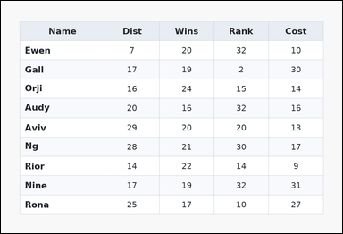 | 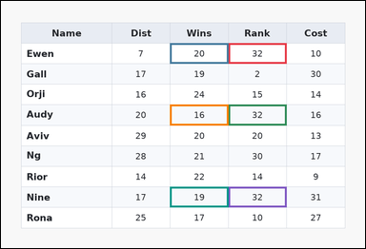 | task_tables_statistics_filtered_subset_label | filtered_argmax | Look at the table in the image. It shows a zebra-striped table with one Name column, several numeric columns, alternating row shading, and a shaded header row. Use the table values to filter the rows and then identify the winning row in the named target column. Using only the rows with values in Rank greater than 31, determine which row has the maximum value in Wins. Return a valid JSON object with keys "evidence" and "answer" in that order. Evidence rule: set "evidence" to an array containing the ordered supporting cell pairs [filter cell, target cell] for each selected row in top-to-bottom row order. Answer rule: set "answer" to the exact row-name string from the filtered rows. Example JSON: {"evidence":[[260,180,372,236],[374,180,486,236],[260,236,372,292],[374,236,486,292]],"answer":"Ava"} | Look at the table in the image. It shows a zebra-striped table with one Name column, several numeric columns, alternating row shading, and a shaded header row. Use the table values to filter the rows and then identify the winning row in the named target column. Using only the rows with values in Rank greater than 31, determine which row has the maximum value in Wins. Return a valid JSON object with key "answer". Answer field: set "answer" to the exact row-name string from the filtered rows. Example JSON: {"answer":"Ava"} | {"evidence": [[587.04, 109.2, 737.52, 162.4], [436.56, 109.2, 587.04, 162.4], [587.04, 268.8, 737.52, 322.0], [436.56, 268.8, 587.04, 322.0], [587.04, 481.6, 737.52, 534.8], [436.56, 481.6, 587.04, 534.8]], "answer": "Ewen"} | [[587.04, 109.2, 737.52, 162.4], [436.56, 109.2, 587.04, 162.4], [587.04, 268.8, 737.52, 322.0], [436.56, 268.8, 587.04, 322.0], [587.04, 481.6, 737.52, 534.8], [436.56, 481.6, 587.04, 534.8]] | string | bbox_set | 8.6790494678E+15 | tables/task_tables_statistics_filtered_subset_label/images/filtered_argmax/0012.png | tables/task_tables_statistics_filtered_subset_label/data/filtered_argmax/0012.json
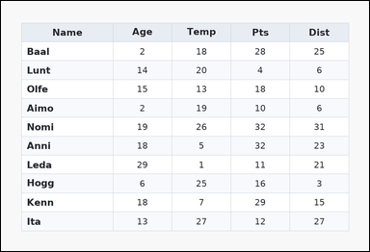 | 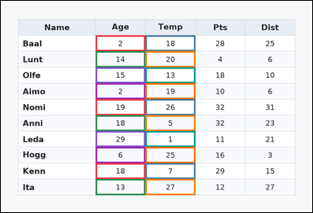 | task_tables_statistics_filtered_subset_label | filtered_argmax | Work from the styled table shown in the image: a zebra-striped table with one Name column, several numeric columns, alternating row shading, and a shaded header row. Determine which selected row wins under the requested target-column extremum after applying the filter condition. After filtering to rows where values in Age less than 33, identify the row with the maximum Temp value. Return a valid JSON object with keys "evidence" and "answer" in that order. Evidence format: set "evidence" to an array containing the ordered supporting cell pairs [filter cell, target cell] for each selected row in top-to-bottom row order. Answer requirement: set "answer" to the exact row-name string from the filtered rows. Example JSON: {"evidence":[[260,180,372,236],[374,180,486,236],[260,236,372,292],[374,236,486,292]],"answer":"Ava"} | Work from the styled table shown in the image: a zebra-striped table with one Name column, several numeric columns, alternating row shading, and a shaded header row. Determine which selected row wins under the requested target-column extremum after applying the filter condition. After filtering to rows where values in Age less than 33, identify the row with the maximum Temp value. Return a valid JSON object with key "answer". Answer field: set "answer" to the exact row-name string from the filtered rows. Example JSON: {"answer":"Ava"} | {"evidence": [[286.08, 104.364, 436.56, 152.727], [436.56, 104.364, 587.04, 152.727], [286.08, 152.727, 436.56, 201.091], [436.56, 152.727, 587.04, 201.091], [286.08, 201.091, 436.56, 249.455], [436.56, 201.091, 587.04, 249.455], [286.08, 249.455, 436.56, 297.818], [436.56, 249.455, 587.04, 297.818], [286.08, 297.818, 436.56, 346.182], [436.56, 297.818, 587.04, 346.182], [286.08, 346.182, 436.56, 394.545], [436.56, 346.182, 587.04, 394.545], [286.08, 394.545, 436.56, 442.909], [436.56, 394.545, 587.04, 442.909], [286.08, 442.909, 436.56, 491.273], [436.56, 442.909, 587.04, 491.273], [286.08, 491.273, 436.56, 539.636], [436.56, 491.273, 587.04, 539.636], [286.08, 539.636, 436.56, 588.0], [436.56, 539.636, 587.04, 588.0]], "answer": "Ita"} | [[286.08, 104.364, 436.56, 152.727], [436.56, 104.364, 587.04, 152.727], [286.08, 152.727, 436.56, 201.091], [436.56, 152.727, 587.04, 201.091], [286.08, 201.091, 436.56, 249.455], [436.56, 201.091, 587.04, 249.455], [286.08, 249.455, 436.56, 297.818], [436.56, 249.455, 587.04, 297.818], [286.08, 297.818, 436.56, 346.182], [436.56, 297.818, 587.04, 346.182], [286.08, 346.182, 436.56, 394.545], [436.56, 346.182, 587.04, 394.545], [286.08, 394.545, 436.56, 442.909], [436.56, 394.545, 587.04, 442.909], [286.08, 442.909, 436.56, 491.273], [436.56, 442.909, 587.04, 491.273], [286.08, 491.273, 436.56, 539.636], [436.56, 491.273, 587.04, 539.636], [286.08, 539.636, 436.56, 588.0], [436.56, 539.636, 587.04, 588.0]] | string | bbox_set | 8.837559921E+15 | tables/task_tables_statistics_filtered_subset_label/images/filtered_argmax/0023.png | tables/task_tables_statistics_filtered_subset_label/data/filtered_argmax/0023.json
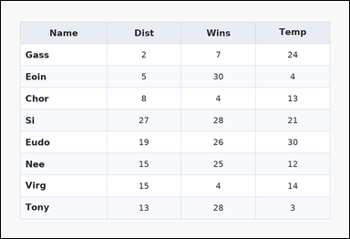 | 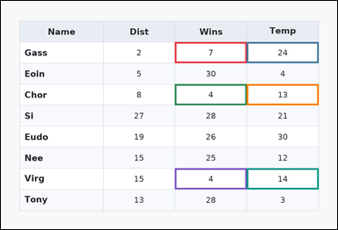 | task_tables_statistics_filtered_subset_label | filtered_argmax | Work from the styled table shown in the image: a zebra-striped table with one Name column, several numeric columns, alternating row shading, and a shaded header row. Determine which selected row wins under the requested target-column extremum after applying the filter condition. Filter the rows to those with values in Wins less than 11. Which row label has the largest Temp value? Return a valid JSON object with keys "evidence" and "answer" in that order. Evidence format: set "evidence" to an array containing the ordered supporting cell pairs [filter cell, target cell] for each selected row in top-to-bottom row order. Answer requirement: set "answer" to the exact row-name string from the filtered rows. Example JSON: {"evidence":[[260,180,372,236],[374,180,486,236],[260,236,372,292],[374,236,486,292]],"answer":"Ava"} | Work from the styled table shown in the image: a zebra-striped table with one Name column, several numeric columns, alternating row shading, and a shaded header row. Determine which selected row wins under the requested target-column extremum after applying the filter condition. Filter the rows to those with values in Wins less than 11. Which row label has the largest Temp value? Return a valid JSON object with key "answer". Answer field: set "answer" to the exact row-name string from the filtered rows. Example JSON: {"answer":"Ava"} | {"evidence": [[486.72, 115.111, 687.36, 174.222], [687.36, 115.111, 888.0, 174.222], [486.72, 233.333, 687.36, 292.444], [687.36, 233.333, 888.0, 292.444], [486.72, 469.778, 687.36, 528.889], [687.36, 469.778, 888.0, 528.889]], "answer": "Gass"} | [[486.72, 115.111, 687.36, 174.222], [687.36, 115.111, 888.0, 174.222], [486.72, 233.333, 687.36, 292.444], [687.36, 233.333, 888.0, 292.444], [486.72, 469.778, 687.36, 528.889], [687.36, 469.778, 888.0, 528.889]] | string | bbox_set | 8.9788494659E+15 | tables/task_tables_statistics_filtered_subset_label/images/filtered_argmax/0013.png | tables/task_tables_statistics_filtered_subset_label/data/filtered_argmax/0013.json

filtered_argmin
image | evidence_image | task | task_variant | prompt | prompt_answer_only | answer | answer_evidence | answer_type | evidence_type | instance_seed | image_path | data_path
 |  | task_tables_statistics_filtered_subset_label | filtered_argmin | You are given a table: a zebra-striped table with one Name column, several numeric columns, alternating row shading, and a shaded header row. Find the row name with the requested target-column extremum after applying the stated row filter. Filter the rows to those with values in Time greater than 8. Which row label has the smallest Wins value? Return a valid JSON object with keys "evidence" and "answer" in that order. Evidence rule: set "evidence" to an array containing the ordered supporting cell pairs [filter cell, target cell] for each selected row in top-to-bottom row order. Answer rule: set "answer" to the exact row-name string from the filtered rows. Example JSON: {"evidence":[[260,180,372,236],[374,180,486,236],[260,236,372,292],[374,236,486,292]],"answer":"Milo"} | You are given a table: a zebra-striped table with one Name column, several numeric columns, alternating row shading, and a shaded header row. Find the row name with the requested target-column extremum after applying the stated row filter. Filter the rows to those with values in Time greater than 8. Which row label has the smallest Wins value? Return a valid JSON object with key "answer". Answer requirement: set "answer" to the exact row-name string from the filtered rows. Example JSON: {"answer":"Milo"} | {"evidence": [[737.52, 144.667, 888.0, 233.333], [587.04, 144.667, 737.52, 233.333], [737.52, 322.0, 888.0, 410.667], [587.04, 322.0, 737.52, 410.667], [737.52, 410.667, 888.0, 499.333], [587.04, 410.667, 737.52, 499.333], [737.52, 499.333, 888.0, 588.0], [587.04, 499.333, 737.52, 588.0]], "answer": "Mab"} | [[737.52, 144.667, 888.0, 233.333], [587.04, 144.667, 737.52, 233.333], [737.52, 322.0, 888.0, 410.667], [587.04, 322.0, 737.52, 410.667], [737.52, 410.667, 888.0, 499.333], [587.04, 410.667, 737.52, 499.333], [737.52, 499.333, 888.0, 588.0], [587.04, 499.333, 737.52, 588.0]] | string | bbox_set | 854006140572412 | tables/task_tables_statistics_filtered_subset_label/images/filtered_argmin/0008.png | tables/task_tables_statistics_filtered_subset_label/data/filtered_argmin/0008.json
 |  | task_tables_statistics_filtered_subset_label | filtered_argmin | Use the table in the image. It shows a zebra-striped table with one Name column, several numeric columns, alternating row shading, and a shaded header row. Read the table, keep the rows that satisfy the filter, and report the row that wins in the target column. After filtering to rows where values in Mass from 11 to 31 inclusive, identify the row with the minimum Score value. Return a valid JSON object with keys "evidence" and "answer" in that order. Evidence rule: set "evidence" to an array containing the ordered supporting cell pairs [filter cell, target cell] for each selected row in top-to-bottom row order. Answer rule: set "answer" to the exact row-name string from the filtered rows. Example JSON: {"evidence":[[260,180,372,236],[374,180,486,236],[260,236,372,292],[374,236,486,292]],"answer":"Milo"} | Use the table in the image. It shows a zebra-striped table with one Name column, several numeric columns, alternating row shading, and a shaded header row. Read the table, keep the rows that satisfy the filter, and report the row that wins in the target column. After filtering to rows where values in Mass from 11 to 31 inclusive, identify the row with the minimum Score value. Return a valid JSON object with key "answer". Answer format: set "answer" to the exact row-name string from the filtered rows. Example JSON: {"answer":"Milo"} | {"evidence": [[587.04, 255.5, 737.52, 322.0], [737.52, 255.5, 888.0, 322.0], [587.04, 322.0, 737.52, 388.5], [737.52, 322.0, 888.0, 388.5], [587.04, 388.5, 737.52, 455.0], [737.52, 388.5, 888.0, 455.0]], "answer": "Jovi"} | [[587.04, 255.5, 737.52, 322.0], [737.52, 255.5, 888.0, 322.0], [587.04, 322.0, 737.52, 388.5], [737.52, 322.0, 888.0, 388.5], [587.04, 388.5, 737.52, 455.0], [737.52, 388.5, 888.0, 455.0]] | string | bbox_set | 1.749767749E+15 | tables/task_tables_statistics_filtered_subset_label/images/filtered_argmin/0014.png | tables/task_tables_statistics_filtered_subset_label/data/filtered_argmin/0014.json
 |  | task_tables_statistics_filtered_subset_label | filtered_argmin | The image shows a zebra-striped table with one Name column, several numeric columns, alternating row shading, and a shaded header row. Use the table values to filter the rows and then identify the winning row in the named target column. After filtering to rows where values in Rank from 4 to 11 inclusive, identify the row with the minimum Age value. Return a valid JSON object with keys "evidence" and "answer" in that order. Evidence: set "evidence" to an array containing the ordered supporting cell pairs [filter cell, target cell] for each selected row in top-to-bottom row order. Answer: set "answer" to the exact row-name string from the filtered rows. Example JSON: {"evidence":[[260,180,372,236],[374,180,486,236],[260,236,372,292],[374,236,486,292]],"answer":"Milo"} | The image shows a zebra-striped table with one Name column, several numeric columns, alternating row shading, and a shaded header row. Use the table values to filter the rows and then identify the winning row in the named target column. After filtering to rows where values in Rank from 4 to 11 inclusive, identify the row with the minimum Age value. Return a valid JSON object with key "answer". Answer requirement: set "answer" to the exact row-name string from the filtered rows. Example JSON: {"answer":"Milo"} | {"evidence": [[286.08, 144.667, 486.72, 233.333], [486.72, 144.667, 687.36, 233.333], [286.08, 322.0, 486.72, 410.667], [486.72, 322.0, 687.36, 410.667], [286.08, 410.667, 486.72, 499.333], [486.72, 410.667, 687.36, 499.333], [286.08, 499.333, 486.72, 588.0], [486.72, 499.333, 687.36, 588.0]], "answer": "Odey"} | [[286.08, 144.667, 486.72, 233.333], [486.72, 144.667, 687.36, 233.333], [286.08, 322.0, 486.72, 410.667], [486.72, 322.0, 687.36, 410.667], [286.08, 410.667, 486.72, 499.333], [486.72, 410.667, 687.36, 499.333], [286.08, 499.333, 486.72, 588.0], [486.72, 499.333, 687.36, 588.0]] | string | bbox_set | 1.798860151E+15 | tables/task_tables_statistics_filtered_subset_label/images/filtered_argmin/0006.png | tables/task_tables_statistics_filtered_subset_label/data/filtered_argmin/0006.json
 |  | task_tables_statistics_filtered_subset_label | filtered_argmin | You are given a table: a zebra-striped table with one Name column, several numeric columns, alternating row shading, and a shaded header row. Find the row name with the requested target-column extremum after applying the stated row filter. Using only the rows with values in Cost less than 25, determine which row has the minimum value in Dist. Return a valid JSON object with keys "evidence" and "answer" in that order. Evidence requirement: set "evidence" to an array containing the ordered supporting cell pairs [filter cell, target cell] for each selected row in top-to-bottom row order. Answer format: set "answer" to the exact row-name string from the filtered rows. Example JSON: {"evidence":[[260,180,372,236],[374,180,486,236],[260,236,372,292],[374,236,486,292]],"answer":"Milo"} | You are given a table: a zebra-striped table with one Name column, several numeric columns, alternating row shading, and a shaded header row. Find the row name with the requested target-column extremum after applying the stated row filter. Using only the rows with values in Cost less than 25, determine which row has the minimum value in Dist. Return a valid JSON object with key "answer". Answer: set "answer" to the exact row-name string from the filtered rows. Example JSON: {"answer":"Milo"} | {"evidence": [[526.848, 162.4, 647.232, 215.6], [286.08, 162.4, 406.464, 215.6], [526.848, 375.2, 647.232, 428.4], [286.08, 375.2, 406.464, 428.4], [526.848, 428.4, 647.232, 481.6], [286.08, 428.4, 406.464, 481.6]], "answer": "Cato"} | [[526.848, 162.4, 647.232, 215.6], [286.08, 162.4, 406.464, 215.6], [526.848, 375.2, 647.232, 428.4], [286.08, 375.2, 406.464, 428.4], [526.848, 428.4, 647.232, 481.6], [286.08, 428.4, 406.464, 481.6]] | string | bbox_set | 1.9934908961E+15 | tables/task_tables_statistics_filtered_subset_label/images/filtered_argmin/0024.png | tables/task_tables_statistics_filtered_subset_label/data/filtered_argmin/0024.json
 |  | task_tables_statistics_filtered_subset_label | filtered_argmin | Use the table in the image. It shows a zebra-striped table with one Name column, several numeric columns, alternating row shading, and a shaded header row. Answer this question. After filtering to rows where values in Rate less than 7, identify the row with the minimum Gain value. Return a valid JSON object with keys "evidence" and "answer" in that order. Evidence requirement: set "evidence" to an array containing the ordered supporting cell pairs [filter cell, target cell] for each selected row in top-to-bottom row order. Answer format: set "answer" to the exact row-name string from the filtered rows. Example JSON: {"evidence":[[260,180,372,236],[374,180,486,236],[260,236,372,292],[374,236,486,292]],"answer":"Milo"} | Use the table in the image. It shows a zebra-striped table with one Name column, several numeric columns, alternating row shading, and a shaded header row. Answer this question. After filtering to rows where values in Rate less than 7, identify the row with the minimum Gain value. Return a valid JSON object with key "answer". Answer requirement: set "answer" to the exact row-name string from the filtered rows. Example JSON: {"answer":"Milo"} | {"evidence": [[486.72, 122.5, 687.36, 189.0], [687.36, 122.5, 888.0, 189.0], [486.72, 189.0, 687.36, 255.5], [687.36, 189.0, 888.0, 255.5], [486.72, 322.0, 687.36, 388.5], [687.36, 322.0, 888.0, 388.5], [486.72, 455.0, 687.36, 521.5], [687.36, 455.0, 888.0, 521.5], [486.72, 521.5, 687.36, 588.0], [687.36, 521.5, 888.0, 588.0]], "answer": "Timi"} | [[486.72, 122.5, 687.36, 189.0], [687.36, 122.5, 888.0, 189.0], [486.72, 189.0, 687.36, 255.5], [687.36, 189.0, 888.0, 255.5], [486.72, 322.0, 687.36, 388.5], [687.36, 322.0, 888.0, 388.5], [486.72, 455.0, 687.36, 521.5], [687.36, 455.0, 888.0, 521.5], [486.72, 521.5, 687.36, 588.0], [687.36, 521.5, 888.0, 588.0]] | string | bbox_set | 2.0123452108E+15 | tables/task_tables_statistics_filtered_subset_label/images/filtered_argmin/0015.png | tables/task_tables_statistics_filtered_subset_label/data/filtered_argmin/0015.json
 |  | task_tables_statistics_filtered_subset_label | filtered_argmin | You are given a table: a spreadsheet-style table with one Name column, several numeric columns, full grid lines, and a shaded header row. Read the table, keep the rows that satisfy the filter, and report the row that wins in the target column. Among the rows with values in Time from 25 to 28 inclusive, which row has the lowest value in the Mass column? Return a valid JSON object with keys "evidence" and "answer" in that order. Evidence field: set "evidence" to an array containing the ordered supporting cell pairs [filter cell, target cell] for each selected row in top-to-bottom row order. Answer field: set "answer" to the exact row-name string from the filtered rows. Example JSON: {"evidence":[[260,180,372,236],[374,180,486,236],[260,236,372,292],[374,236,486,292]],"answer":"Milo"} | You are given a table: a spreadsheet-style table with one Name column, several numeric columns, full grid lines, and a shaded header row. Read the table, keep the rows that satisfy the filter, and report the row that wins in the target column. Among the rows with values in Time from 25 to 28 inclusive, which row has the lowest value in the Mass column? Return a valid JSON object with key "answer". Answer field: set "answer" to the exact row-name string from the filtered rows. Example JSON: {"answer":"Milo"} | {"evidence": [[587.04, 174.222, 737.52, 233.333], [436.56, 174.222, 587.04, 233.333], [587.04, 233.333, 737.52, 292.444], [436.56, 233.333, 587.04, 292.444], [587.04, 351.556, 737.52, 410.667], [436.56, 351.556, 587.04, 410.667], [587.04, 469.778, 737.52, 528.889], [436.56, 469.778, 587.04, 528.889]], "answer": "Dove"} | [[587.04, 174.222, 737.52, 233.333], [436.56, 174.222, 587.04, 233.333], [587.04, 233.333, 737.52, 292.444], [436.56, 233.333, 587.04, 292.444], [587.04, 351.556, 737.52, 410.667], [436.56, 351.556, 587.04, 410.667], [587.04, 469.778, 737.52, 528.889], [436.56, 469.778, 587.04, 528.889]] | string | bbox_set | 2.6666353994E+15 | tables/task_tables_statistics_filtered_subset_label/images/filtered_argmin/0005.png | tables/task_tables_statistics_filtered_subset_label/data/filtered_argmin/0005.json
 |  | task_tables_statistics_filtered_subset_label | filtered_argmin | Look at the table in the image. It shows a zebra-striped table with one Name column, several numeric columns, alternating row shading, and a shaded header row. Read the table, keep the rows that satisfy the filter, and report the row that wins in the target column. Among the rows with values in Pts less than 10, which row has the lowest value in the Age column? Return a valid JSON object with keys "evidence" and "answer" in that order. Evidence field: set "evidence" to an array containing the ordered supporting cell pairs [filter cell, target cell] for each selected row in top-to-bottom row order. Answer field: set "answer" to the exact row-name string from the filtered rows. Example JSON: {"evidence":[[260,180,372,236],[374,180,486,236],[260,236,372,292],[374,236,486,292]],"answer":"Milo"} | Look at the table in the image. It shows a zebra-striped table with one Name column, several numeric columns, alternating row shading, and a shaded header row. Read the table, keep the rows that satisfy the filter, and report the row that wins in the target column. Among the rows with values in Pts less than 10, which row has the lowest value in the Age column? Return a valid JSON object with key "answer". Answer field: set "answer" to the exact row-name string from the filtered rows. Example JSON: {"answer":"Milo"} | {"evidence": [[286.08, 144.667, 406.464, 233.333], [406.464, 144.667, 526.848, 233.333], [286.08, 322.0, 406.464, 410.667], [406.464, 322.0, 526.848, 410.667], [286.08, 499.333, 406.464, 588.0], [406.464, 499.333, 526.848, 588.0]], "answer": "Pahl"} | [[286.08, 144.667, 406.464, 233.333], [406.464, 144.667, 526.848, 233.333], [286.08, 322.0, 406.464, 410.667], [406.464, 322.0, 526.848, 410.667], [286.08, 499.333, 406.464, 588.0], [406.464, 499.333, 526.848, 588.0]] | string | bbox_set | 3.8885580078E+15 | tables/task_tables_statistics_filtered_subset_label/images/filtered_argmin/0012.png | tables/task_tables_statistics_filtered_subset_label/data/filtered_argmin/0012.json
 |  | task_tables_statistics_filtered_subset_label | filtered_argmin | Work from the styled table shown in the image: a card-style table with one Name column, several numeric columns, a rounded outer frame, and a shaded header row. Determine which selected row wins under the requested target-column extremum after applying the filter condition. After filtering to rows where values in Temp greater than 0, identify the row with the minimum Pts value. Return a valid JSON object with keys "evidence" and "answer" in that order. Evidence format: set "evidence" to an array containing the ordered supporting cell pairs [filter cell, target cell] for each selected row in top-to-bottom row order. Answer requirement: set "answer" to the exact row-name string from the filtered rows. Example JSON: {"evidence":[[260,180,372,236],[374,180,486,236],[260,236,372,292],[374,236,486,292]],"answer":"Milo"} | Work from the styled table shown in the image: a card-style table with one Name column, several numeric columns, a rounded outer frame, and a shaded header row. Determine which selected row wins under the requested target-column extremum after applying the filter condition. After filtering to rows where values in Temp greater than 0, identify the row with the minimum Pts value. Return a valid JSON object with key "answer". Answer requirement: set "answer" to the exact row-name string from the filtered rows. Example JSON: {"answer":"Milo"} | {"evidence": [[687.36, 132.0, 888.0, 208.0], [286.08, 132.0, 486.72, 208.0], [687.36, 208.0, 888.0, 284.0], [286.08, 208.0, 486.72, 284.0], [687.36, 284.0, 888.0, 360.0], [286.08, 284.0, 486.72, 360.0], [687.36, 360.0, 888.0, 436.0], [286.08, 360.0, 486.72, 436.0], [687.36, 436.0, 888.0, 512.0], [286.08, 436.0, 486.72, 512.0], [687.36, 512.0, 888.0, 588.0], [286.08, 512.0, 486.72, 588.0]], "answer": "Hako"} | [[687.36, 132.0, 888.0, 208.0], [286.08, 132.0, 486.72, 208.0], [687.36, 208.0, 888.0, 284.0], [286.08, 208.0, 486.72, 284.0], [687.36, 284.0, 888.0, 360.0], [286.08, 284.0, 486.72, 360.0], [687.36, 360.0, 888.0, 436.0], [286.08, 360.0, 486.72, 436.0], [687.36, 436.0, 888.0, 512.0], [286.08, 436.0, 486.72, 512.0], [687.36, 512.0, 888.0, 588.0], [286.08, 512.0, 486.72, 588.0]] | string | bbox_set | 4.3014785282E+15 | tables/task_tables_statistics_filtered_subset_label/images/filtered_argmin/0007.png | tables/task_tables_statistics_filtered_subset_label/data/filtered_argmin/0007.json
 |  | task_tables_statistics_filtered_subset_label | filtered_argmin | Work from the styled table shown in the image: a ledger-style table with one Name column, several numeric columns, strong horizontal rules, and minimal vertical separators. Answer this question. Filter the rows to those with values in Time greater than 26. Which row label has the smallest Age value? Return a valid JSON object with keys "evidence" and "answer" in that order. Evidence format: set "evidence" to an array containing the ordered supporting cell pairs [filter cell, target cell] for each selected row in top-to-bottom row order. Answer requirement: set "answer" to the exact row-name string from the filtered rows. Example JSON: {"evidence":[[260,180,372,236],[374,180,486,236],[260,236,372,292],[374,236,486,292]],"answer":"Milo"} | Work from the styled table shown in the image: a ledger-style table with one Name column, several numeric columns, strong horizontal rules, and minimal vertical separators. Answer this question. Filter the rows to those with values in Time greater than 26. Which row label has the smallest Age value? Return a valid JSON object with key "answer". Answer: set "answer" to the exact row-name string from the filtered rows. Example JSON: {"answer":"Milo"} | {"evidence": [[687.36, 115.111, 888.0, 174.222], [286.08, 115.111, 486.72, 174.222], [687.36, 174.222, 888.0, 233.333], [286.08, 174.222, 486.72, 233.333], [687.36, 233.333, 888.0, 292.444], [286.08, 233.333, 486.72, 292.444], [687.36, 351.556, 888.0, 410.667], [286.08, 351.556, 486.72, 410.667]], "answer": "Voe"} | [[687.36, 115.111, 888.0, 174.222], [286.08, 115.111, 486.72, 174.222], [687.36, 174.222, 888.0, 233.333], [286.08, 174.222, 486.72, 233.333], [687.36, 233.333, 888.0, 292.444], [286.08, 233.333, 486.72, 292.444], [687.36, 351.556, 888.0, 410.667], [286.08, 351.556, 486.72, 410.667]] | string | bbox_set | 4.6885489592E+15 | tables/task_tables_statistics_filtered_subset_label/images/filtered_argmin/0001.png | tables/task_tables_statistics_filtered_subset_label/data/filtered_argmin/0001.json
 |  | task_tables_statistics_filtered_subset_label | filtered_argmin | You are given a table: a spreadsheet-style table with one Name column, several numeric columns, full grid lines, and a shaded header row. Read the table, keep the rows that satisfy the filter, and report the row that wins in the target column. What row name has the lowest Dist value among rows whose Cost entries satisfy values in Cost greater than 14? Return a valid JSON object with keys "evidence" and "answer" in that order. Evidence rule: set "evidence" to an array containing the ordered supporting cell pairs [filter cell, target cell] for each selected row in top-to-bottom row order. Answer rule: set "answer" to the exact row-name string from the filtered rows. Example JSON: {"evidence":[[260,180,372,236],[374,180,486,236],[260,236,372,292],[374,236,486,292]],"answer":"Milo"} | You are given a table: a spreadsheet-style table with one Name column, several numeric columns, full grid lines, and a shaded header row. Read the table, keep the rows that satisfy the filter, and report the row that wins in the target column. What row name has the lowest Dist value among rows whose Cost entries satisfy values in Cost greater than 14? Return a valid JSON object with key "answer". Answer requirement: set "answer" to the exact row-name string from the filtered rows. Example JSON: {"answer":"Milo"} | {"evidence": [[737.52, 233.333, 888.0, 292.444], [436.56, 233.333, 587.04, 292.444], [737.52, 410.667, 888.0, 469.778], [436.56, 410.667, 587.04, 469.778], [737.52, 469.778, 888.0, 528.889], [436.56, 469.778, 587.04, 528.889]], "answer": "Ikey"} | [[737.52, 233.333, 888.0, 292.444], [436.56, 233.333, 587.04, 292.444], [737.52, 410.667, 888.0, 469.778], [436.56, 410.667, 587.04, 469.778], [737.52, 469.778, 888.0, 528.889], [436.56, 469.778, 587.04, 528.889]] | string | bbox_set | 4.7056550587E+15 | tables/task_tables_statistics_filtered_subset_label/images/filtered_argmin/0010.png | tables/task_tables_statistics_filtered_subset_label/data/filtered_argmin/0010.json
 |  | task_tables_statistics_filtered_subset_label | filtered_argmin | The image shows a spreadsheet-style table with one Name column, several numeric columns, full grid lines, and a shaded header row. Find the row name with the requested target-column extremum after applying the stated row filter. After filtering to rows where values in Rank greater than 30, identify the row with the minimum Dist value. Return a valid JSON object with keys "evidence" and "answer" in that order. Evidence format: set "evidence" to an array containing the ordered supporting cell pairs [filter cell, target cell] for each selected row in top-to-bottom row order. Answer requirement: set "answer" to the exact row-name string from the filtered rows. Example JSON: {"evidence":[[260,180,372,236],[374,180,486,236],[260,236,372,292],[374,236,486,292]],"answer":"Milo"} | The image shows a spreadsheet-style table with one Name column, several numeric columns, full grid lines, and a shaded header row. Find the row name with the requested target-column extremum after applying the stated row filter. After filtering to rows where values in Rank greater than 30, identify the row with the minimum Dist value. Return a valid JSON object with key "answer". Answer rule: set "answer" to the exact row-name string from the filtered rows. Example JSON: {"answer":"Milo"} | {"evidence": [[767.616, 144.667, 888.0, 233.333], [526.848, 144.667, 647.232, 233.333], [767.616, 410.667, 888.0, 499.333], [526.848, 410.667, 647.232, 499.333], [767.616, 499.333, 888.0, 588.0], [526.848, 499.333, 647.232, 588.0]], "answer": "Yuri"} | [[767.616, 144.667, 888.0, 233.333], [526.848, 144.667, 647.232, 233.333], [767.616, 410.667, 888.0, 499.333], [526.848, 410.667, 647.232, 499.333], [767.616, 499.333, 888.0, 588.0], [526.848, 499.333, 647.232, 588.0]] | string | bbox_set | 4.710411258E+15 | tables/task_tables_statistics_filtered_subset_label/images/filtered_argmin/0016.png | tables/task_tables_statistics_filtered_subset_label/data/filtered_argmin/0016.json
 |  | task_tables_statistics_filtered_subset_label | filtered_argmin | Use the table in the image. It shows a zebra-striped table with one Name column, several numeric columns, alternating row shading, and a shaded header row. Read the table, keep the rows that satisfy the filter, and report the row that wins in the target column. What row name has the lowest Cost value among rows whose Pts entries satisfy values in Pts from 28 to 29 inclusive? Return a valid JSON object with keys "evidence" and "answer" in that order. Evidence rule: set "evidence" to an array containing the ordered supporting cell pairs [filter cell, target cell] for each selected row in top-to-bottom row order. Answer rule: set "answer" to the exact row-name string from the filtered rows. Example JSON: {"evidence":[[260,180,372,236],[374,180,486,236],[260,236,372,292],[374,236,486,292]],"answer":"Milo"} | Use the table in the image. It shows a zebra-striped table with one Name column, several numeric columns, alternating row shading, and a shaded header row. Read the table, keep the rows that satisfy the filter, and report the row that wins in the target column. What row name has the lowest Cost value among rows whose Pts entries satisfy values in Pts from 28 to 29 inclusive? Return a valid JSON object with key "answer". Answer field: set "answer" to the exact row-name string from the filtered rows. Example JSON: {"answer":"Milo"} | {"evidence": [[486.72, 104.364, 687.36, 152.727], [286.08, 104.364, 486.72, 152.727], [486.72, 152.727, 687.36, 201.091], [286.08, 152.727, 486.72, 201.091], [486.72, 201.091, 687.36, 249.455], [286.08, 201.091, 486.72, 249.455], [486.72, 249.455, 687.36, 297.818], [286.08, 249.455, 486.72, 297.818], [486.72, 297.818, 687.36, 346.182], [286.08, 297.818, 486.72, 346.182], [486.72, 346.182, 687.36, 394.545], [286.08, 346.182, 486.72, 394.545], [486.72, 442.909, 687.36, 491.273], [286.08, 442.909, 486.72, 491.273], [486.72, 539.636, 687.36, 588.0], [286.08, 539.636, 486.72, 588.0]], "answer": "Liza"} | [[486.72, 104.364, 687.36, 152.727], [286.08, 104.364, 486.72, 152.727], [486.72, 152.727, 687.36, 201.091], [286.08, 152.727, 486.72, 201.091], [486.72, 201.091, 687.36, 249.455], [286.08, 201.091, 486.72, 249.455], [486.72, 249.455, 687.36, 297.818], [286.08, 249.455, 486.72, 297.818], [486.72, 297.818, 687.36, 346.182], [286.08, 297.818, 486.72, 346.182], [486.72, 346.182, 687.36, 394.545], [286.08, 346.182, 486.72, 394.545], [486.72, 442.909, 687.36, 491.273], [286.08, 442.909, 486.72, 491.273], [486.72, 539.636, 687.36, 588.0], [286.08, 539.636, 486.72, 588.0]] | string | bbox_set | 4.9792928877E+15 | tables/task_tables_statistics_filtered_subset_label/images/filtered_argmin/0021.png | tables/task_tables_statistics_filtered_subset_label/data/filtered_argmin/0021.json
 |  | task_tables_statistics_filtered_subset_label | filtered_argmin | Look at the table in the image. It shows a ledger-style table with one Name column, several numeric columns, strong horizontal rules, and minimal vertical separators. Use the table values to filter the rows and then identify the winning row in the named target column. Filter the rows to those with values in Mass less than 27. Which row label has the smallest Rank value? Return a valid JSON object with keys "evidence" and "answer" in that order. Evidence format: set "evidence" to an array containing the ordered supporting cell pairs [filter cell, target cell] for each selected row in top-to-bottom row order. Answer requirement: set "answer" to the exact row-name string from the filtered rows. Example JSON: {"evidence":[[260,180,372,236],[374,180,486,236],[260,236,372,292],[374,236,486,292]],"answer":"Milo"} | Look at the table in the image. It shows a ledger-style table with one Name column, several numeric columns, strong horizontal rules, and minimal vertical separators. Use the table values to filter the rows and then identify the winning row in the named target column. Filter the rows to those with values in Mass less than 27. Which row label has the smallest Rank value? Return a valid JSON object with key "answer". Answer format: set "answer" to the exact row-name string from the filtered rows. Example JSON: {"answer":"Milo"} | {"evidence": [[286.08, 162.4, 406.464, 215.6], [767.616, 162.4, 888.0, 215.6], [286.08, 215.6, 406.464, 268.8], [767.616, 215.6, 888.0, 268.8], [286.08, 268.8, 406.464, 322.0], [767.616, 268.8, 888.0, 322.0], [286.08, 322.0, 406.464, 375.2], [767.616, 322.0, 888.0, 375.2], [286.08, 375.2, 406.464, 428.4], [767.616, 375.2, 888.0, 428.4], [286.08, 428.4, 406.464, 481.6], [767.616, 428.4, 888.0, 481.6], [286.08, 481.6, 406.464, 534.8], [767.616, 481.6, 888.0, 534.8], [286.08, 534.8, 406.464, 588.0], [767.616, 534.8, 888.0, 588.0]], "answer": "Sall"} | [[286.08, 162.4, 406.464, 215.6], [767.616, 162.4, 888.0, 215.6], [286.08, 215.6, 406.464, 268.8], [767.616, 215.6, 888.0, 268.8], [286.08, 268.8, 406.464, 322.0], [767.616, 268.8, 888.0, 322.0], [286.08, 322.0, 406.464, 375.2], [767.616, 322.0, 888.0, 375.2], [286.08, 375.2, 406.464, 428.4], [767.616, 375.2, 888.0, 428.4], [286.08, 428.4, 406.464, 481.6], [767.616, 428.4, 888.0, 481.6], [286.08, 481.6, 406.464, 534.8], [767.616, 481.6, 888.0, 534.8], [286.08, 534.8, 406.464, 588.0], [767.616, 534.8, 888.0, 588.0]] | string | bbox_set | 5.0146413687E+15 | tables/task_tables_statistics_filtered_subset_label/images/filtered_argmin/0004.png | tables/task_tables_statistics_filtered_subset_label/data/filtered_argmin/0004.json
 |  | task_tables_statistics_filtered_subset_label | filtered_argmin | Work from the styled table shown in the image: a ledger-style table with one Name column, several numeric columns, strong horizontal rules, and minimal vertical separators. Read the table, keep the rows that satisfy the filter, and report the row that wins in the target column. Filter the rows to those with values in Mass less than 29. Which row label has the smallest Time value? Return a valid JSON object with keys "evidence" and "answer" in that order. Evidence field: set "evidence" to an array containing the ordered supporting cell pairs [filter cell, target cell] for each selected row in top-to-bottom row order. Answer field: set "answer" to the exact row-name string from the filtered rows. Example JSON: {"evidence":[[260,180,372,236],[374,180,486,236],[260,236,372,292],[374,236,486,292]],"answer":"Milo"} | Work from the styled table shown in the image: a ledger-style table with one Name column, several numeric columns, strong horizontal rules, and minimal vertical separators. Read the table, keep the rows that satisfy the filter, and report the row that wins in the target column. Filter the rows to those with values in Mass less than 29. Which row label has the smallest Time value? Return a valid JSON object with key "answer". Answer field: set "answer" to the exact row-name string from the filtered rows. Example JSON: {"answer":"Milo"} | {"evidence": [[687.36, 115.111, 888.0, 174.222], [286.08, 115.111, 486.72, 174.222], [687.36, 174.222, 888.0, 233.333], [286.08, 174.222, 486.72, 233.333], [687.36, 233.333, 888.0, 292.444], [286.08, 233.333, 486.72, 292.444], [687.36, 351.556, 888.0, 410.667], [286.08, 351.556, 486.72, 410.667], [687.36, 410.667, 888.0, 469.778], [286.08, 410.667, 486.72, 469.778]], "answer": "Ehr"} | [[687.36, 115.111, 888.0, 174.222], [286.08, 115.111, 486.72, 174.222], [687.36, 174.222, 888.0, 233.333], [286.08, 174.222, 486.72, 233.333], [687.36, 233.333, 888.0, 292.444], [286.08, 233.333, 486.72, 292.444], [687.36, 351.556, 888.0, 410.667], [286.08, 351.556, 486.72, 410.667], [687.36, 410.667, 888.0, 469.778], [286.08, 410.667, 486.72, 469.778]] | string | bbox_set | 5.141832107E+15 | tables/task_tables_statistics_filtered_subset_label/images/filtered_argmin/0019.png | tables/task_tables_statistics_filtered_subset_label/data/filtered_argmin/0019.json
 |  | task_tables_statistics_filtered_subset_label | filtered_argmin | Look at the table in the image. It shows a zebra-striped table with one Name column, several numeric columns, alternating row shading, and a shaded header row. Determine which selected row wins under the requested target-column extremum after applying the filter condition. Using only the rows with values in Pts less than 19, determine which row has the minimum value in Rate. Return a valid JSON object with keys "evidence" and "answer" in that order. Evidence requirement: set "evidence" to an array containing the ordered supporting cell pairs [filter cell, target cell] for each selected row in top-to-bottom row order. Answer format: set "answer" to the exact row-name string from the filtered rows. Example JSON: {"evidence":[[260,180,372,236],[374,180,486,236],[260,236,372,292],[374,236,486,292]],"answer":"Milo"} | Look at the table in the image. It shows a zebra-striped table with one Name column, several numeric columns, alternating row shading, and a shaded header row. Determine which selected row wins under the requested target-column extremum after applying the filter condition. Using only the rows with values in Pts less than 19, determine which row has the minimum value in Rate. Return a valid JSON object with key "answer". Answer format: set "answer" to the exact row-name string from the filtered rows. Example JSON: {"answer":"Milo"} | {"evidence": [[647.232, 104.364, 767.616, 152.727], [286.08, 104.364, 406.464, 152.727], [647.232, 152.727, 767.616, 201.091], [286.08, 152.727, 406.464, 201.091], [647.232, 249.455, 767.616, 297.818], [286.08, 249.455, 406.464, 297.818], [647.232, 297.818, 767.616, 346.182], [286.08, 297.818, 406.464, 346.182], [647.232, 394.545, 767.616, 442.909], [286.08, 394.545, 406.464, 442.909], [647.232, 491.273, 767.616, 539.636], [286.08, 491.273, 406.464, 539.636]], "answer": "Jopa"} | [[647.232, 104.364, 767.616, 152.727], [286.08, 104.364, 406.464, 152.727], [647.232, 152.727, 767.616, 201.091], [286.08, 152.727, 406.464, 201.091], [647.232, 249.455, 767.616, 297.818], [286.08, 249.455, 406.464, 297.818], [647.232, 297.818, 767.616, 346.182], [286.08, 297.818, 406.464, 346.182], [647.232, 394.545, 767.616, 442.909], [286.08, 394.545, 406.464, 442.909], [647.232, 491.273, 767.616, 539.636], [286.08, 491.273, 406.464, 539.636]] | string | bbox_set | 5.9687934745E+15 | tables/task_tables_statistics_filtered_subset_label/images/filtered_argmin/0003.png | tables/task_tables_statistics_filtered_subset_label/data/filtered_argmin/0003.json
 |  | task_tables_statistics_filtered_subset_label | filtered_argmin | Use the table in the image. It shows a spreadsheet-style table with one Name column, several numeric columns, full grid lines, and a shaded header row. Use the table values to filter the rows and then identify the winning row in the named target column. Using only the rows with values in Dist greater than 10, determine which row has the minimum value in Mass. Return a valid JSON object with keys "evidence" and "answer" in that order. Evidence requirement: set "evidence" to an array containing the ordered supporting cell pairs [filter cell, target cell] for each selected row in top-to-bottom row order. Answer format: set "answer" to the exact row-name string from the filtered rows. Example JSON: {"evidence":[[260,180,372,236],[374,180,486,236],[260,236,372,292],[374,236,486,292]],"answer":"Milo"} | Use the table in the image. It shows a spreadsheet-style table with one Name column, several numeric columns, full grid lines, and a shaded header row. Use the table values to filter the rows and then identify the winning row in the named target column. Using only the rows with values in Dist greater than 10, determine which row has the minimum value in Mass. Return a valid JSON object with key "answer". Answer field: set "answer" to the exact row-name string from the filtered rows. Example JSON: {"answer":"Milo"} | {"evidence": [[687.36, 152.727, 888.0, 201.091], [486.72, 152.727, 687.36, 201.091], [687.36, 249.455, 888.0, 297.818], [486.72, 249.455, 687.36, 297.818], [687.36, 297.818, 888.0, 346.182], [486.72, 297.818, 687.36, 346.182], [687.36, 346.182, 888.0, 394.545], [486.72, 346.182, 687.36, 394.545], [687.36, 394.545, 888.0, 442.909], [486.72, 394.545, 687.36, 442.909], [687.36, 442.909, 888.0, 491.273], [486.72, 442.909, 687.36, 491.273], [687.36, 491.273, 888.0, 539.636], [486.72, 491.273, 687.36, 539.636]], "answer": "Inna"} | [[687.36, 152.727, 888.0, 201.091], [486.72, 152.727, 687.36, 201.091], [687.36, 249.455, 888.0, 297.818], [486.72, 249.455, 687.36, 297.818], [687.36, 297.818, 888.0, 346.182], [486.72, 297.818, 687.36, 346.182], [687.36, 346.182, 888.0, 394.545], [486.72, 346.182, 687.36, 394.545], [687.36, 394.545, 888.0, 442.909], [486.72, 394.545, 687.36, 442.909], [687.36, 442.909, 888.0, 491.273], [486.72, 442.909, 687.36, 491.273], [687.36, 491.273, 888.0, 539.636], [486.72, 491.273, 687.36, 539.636]] | string | bbox_set | 6.0472055002E+15 | tables/task_tables_statistics_filtered_subset_label/images/filtered_argmin/0020.png | tables/task_tables_statistics_filtered_subset_label/data/filtered_argmin/0020.json
 |  | task_tables_statistics_filtered_subset_label | filtered_argmin | Look at the table in the image. It shows a card-style table with one Name column, several numeric columns, a rounded outer frame, and a shaded header row. Find the row name with the requested target-column extremum after applying the stated row filter. What row name has the lowest Rank value among rows whose Rate entries satisfy values in Rate less than 33? Return a valid JSON object with keys "evidence" and "answer" in that order. Evidence rule: set "evidence" to an array containing the ordered supporting cell pairs [filter cell, target cell] for each selected row in top-to-bottom row order. Answer rule: set "answer" to the exact row-name string from the filtered rows. Example JSON: {"evidence":[[260,180,372,236],[374,180,486,236],[260,236,372,292],[374,236,486,292]],"answer":"Milo"} | Look at the table in the image. It shows a card-style table with one Name column, several numeric columns, a rounded outer frame, and a shaded header row. Find the row name with the requested target-column extremum after applying the stated row filter. What row name has the lowest Rank value among rows whose Rate entries satisfy values in Rate less than 33? Return a valid JSON object with key "answer". Answer format: set "answer" to the exact row-name string from the filtered rows. Example JSON: {"answer":"Milo"} | {"evidence": [[526.848, 109.2, 647.232, 162.4], [767.616, 109.2, 888.0, 162.4], [526.848, 162.4, 647.232, 215.6], [767.616, 162.4, 888.0, 215.6], [526.848, 215.6, 647.232, 268.8], [767.616, 215.6, 888.0, 268.8], [526.848, 268.8, 647.232, 322.0], [767.616, 268.8, 888.0, 322.0], [526.848, 322.0, 647.232, 375.2], [767.616, 322.0, 888.0, 375.2], [526.848, 375.2, 647.232, 428.4], [767.616, 375.2, 888.0, 428.4], [526.848, 428.4, 647.232, 481.6], [767.616, 428.4, 888.0, 481.6], [526.848, 481.6, 647.232, 534.8], [767.616, 481.6, 888.0, 534.8], [526.848, 534.8, 647.232, 588.0], [767.616, 534.8, 888.0, 588.0]], "answer": "Wye"} | [[526.848, 109.2, 647.232, 162.4], [767.616, 109.2, 888.0, 162.4], [526.848, 162.4, 647.232, 215.6], [767.616, 162.4, 888.0, 215.6], [526.848, 215.6, 647.232, 268.8], [767.616, 215.6, 888.0, 268.8], [526.848, 268.8, 647.232, 322.0], [767.616, 268.8, 888.0, 322.0], [526.848, 322.0, 647.232, 375.2], [767.616, 322.0, 888.0, 375.2], [526.848, 375.2, 647.232, 428.4], [767.616, 375.2, 888.0, 428.4], [526.848, 428.4, 647.232, 481.6], [767.616, 428.4, 888.0, 481.6], [526.848, 481.6, 647.232, 534.8], [767.616, 481.6, 888.0, 534.8], [526.848, 534.8, 647.232, 588.0], [767.616, 534.8, 888.0, 588.0]] | string | bbox_set | 6.3908601247E+15 | tables/task_tables_statistics_filtered_subset_label/images/filtered_argmin/0011.png | tables/task_tables_statistics_filtered_subset_label/data/filtered_argmin/0011.json
 |  | task_tables_statistics_filtered_subset_label | filtered_argmin | Work from the styled table shown in the image: a spreadsheet-style table with one Name column, several numeric columns, full grid lines, and a shaded header row. Read the table, keep the rows that satisfy the filter, and report the row that wins in the target column. Using only the rows with values in Rate from 29 to 29 inclusive, determine which row has the minimum value in Age. Return a valid JSON object with keys "evidence" and "answer" in that order. Evidence: set "evidence" to an array containing the ordered supporting cell pairs [filter cell, target cell] for each selected row in top-to-bottom row order. Answer: set "answer" to the exact row-name string from the filtered rows. Example JSON: {"evidence":[[260,180,372,236],[374,180,486,236],[260,236,372,292],[374,236,486,292]],"answer":"Milo"} | Work from the styled table shown in the image: a spreadsheet-style table with one Name column, several numeric columns, full grid lines, and a shaded header row. Read the table, keep the rows that satisfy the filter, and report the row that wins in the target column. Using only the rows with values in Rate from 29 to 29 inclusive, determine which row has the minimum value in Age. Return a valid JSON object with key "answer". Answer rule: set "answer" to the exact row-name string from the filtered rows. Example JSON: {"answer":"Milo"} | {"evidence": [[286.08, 284.0, 486.72, 360.0], [486.72, 284.0, 687.36, 360.0], [286.08, 512.0, 486.72, 588.0], [486.72, 512.0, 687.36, 588.0]], "answer": "Ritz"} | [[286.08, 284.0, 486.72, 360.0], [486.72, 284.0, 687.36, 360.0], [286.08, 512.0, 486.72, 588.0], [486.72, 512.0, 687.36, 588.0]] | string | bbox_set | 6.4247868448E+15 | tables/task_tables_statistics_filtered_subset_label/images/filtered_argmin/0009.png | tables/task_tables_statistics_filtered_subset_label/data/filtered_argmin/0009.json
 |  | task_tables_statistics_filtered_subset_label | filtered_argmin | You are given a table: a card-style table with one Name column, several numeric columns, a rounded outer frame, and a shaded header row. Read the table, keep the rows that satisfy the filter, and report the row that wins in the target column. Among the rows with values in Score from 32 to 32 inclusive, which row has the lowest value in the Pts column? Return a valid JSON object with keys "evidence" and "answer" in that order. Evidence field: set "evidence" to an array containing the ordered supporting cell pairs [filter cell, target cell] for each selected row in top-to-bottom row order. Answer field: set "answer" to the exact row-name string from the filtered rows. Example JSON: {"evidence":[[260,180,372,236],[374,180,486,236],[260,236,372,292],[374,236,486,292]],"answer":"Milo"} | You are given a table: a card-style table with one Name column, several numeric columns, a rounded outer frame, and a shaded header row. Read the table, keep the rows that satisfy the filter, and report the row that wins in the target column. Among the rows with values in Score from 32 to 32 inclusive, which row has the lowest value in the Pts column? Return a valid JSON object with key "answer". Answer rule: set "answer" to the exact row-name string from the filtered rows. Example JSON: {"answer":"Milo"} | {"evidence": [[687.36, 109.2, 888.0, 162.4], [286.08, 109.2, 486.72, 162.4], [687.36, 162.4, 888.0, 215.6], [286.08, 162.4, 486.72, 215.6], [687.36, 268.8, 888.0, 322.0], [286.08, 268.8, 486.72, 322.0], [687.36, 322.0, 888.0, 375.2], [286.08, 322.0, 486.72, 375.2], [687.36, 375.2, 888.0, 428.4], [286.08, 375.2, 486.72, 428.4], [687.36, 428.4, 888.0, 481.6], [286.08, 428.4, 486.72, 481.6], [687.36, 534.8, 888.0, 588.0], [286.08, 534.8, 486.72, 588.0]], "answer": "Abdu"} | [[687.36, 109.2, 888.0, 162.4], [286.08, 109.2, 486.72, 162.4], [687.36, 162.4, 888.0, 215.6], [286.08, 162.4, 486.72, 215.6], [687.36, 268.8, 888.0, 322.0], [286.08, 268.8, 486.72, 322.0], [687.36, 322.0, 888.0, 375.2], [286.08, 322.0, 486.72, 375.2], [687.36, 375.2, 888.0, 428.4], [286.08, 375.2, 486.72, 428.4], [687.36, 428.4, 888.0, 481.6], [286.08, 428.4, 486.72, 481.6], [687.36, 534.8, 888.0, 588.0], [286.08, 534.8, 486.72, 588.0]] | string | bbox_set | 6.4819050524E+15 | tables/task_tables_statistics_filtered_subset_label/images/filtered_argmin/0013.png | tables/task_tables_statistics_filtered_subset_label/data/filtered_argmin/0013.json
 |  | task_tables_statistics_filtered_subset_label | filtered_argmin | Work from the styled table shown in the image: a ledger-style table with one Name column, several numeric columns, strong horizontal rules, and minimal vertical separators. Determine which selected row wins under the requested target-column extremum after applying the filter condition. After filtering to rows where values in Temp greater than 28, identify the row with the minimum Dist value. Return a valid JSON object with keys "evidence" and "answer" in that order. Evidence requirement: set "evidence" to an array containing the ordered supporting cell pairs [filter cell, target cell] for each selected row in top-to-bottom row order. Answer format: set "answer" to the exact row-name string from the filtered rows. Example JSON: {"evidence":[[260,180,372,236],[374,180,486,236],[260,236,372,292],[374,236,486,292]],"answer":"Milo"} | Work from the styled table shown in the image: a ledger-style table with one Name column, several numeric columns, strong horizontal rules, and minimal vertical separators. Determine which selected row wins under the requested target-column extremum after applying the filter condition. After filtering to rows where values in Temp greater than 28, identify the row with the minimum Dist value. Return a valid JSON object with key "answer". Answer requirement: set "answer" to the exact row-name string from the filtered rows. Example JSON: {"answer":"Milo"} | {"evidence": [[737.52, 132.0, 888.0, 208.0], [436.56, 132.0, 587.04, 208.0], [737.52, 208.0, 888.0, 284.0], [436.56, 208.0, 587.04, 284.0], [737.52, 360.0, 888.0, 436.0], [436.56, 360.0, 587.04, 436.0], [737.52, 436.0, 888.0, 512.0], [436.56, 436.0, 587.04, 512.0], [737.52, 512.0, 888.0, 588.0], [436.56, 512.0, 587.04, 588.0]], "answer": "Jany"} | [[737.52, 132.0, 888.0, 208.0], [436.56, 132.0, 587.04, 208.0], [737.52, 208.0, 888.0, 284.0], [436.56, 208.0, 587.04, 284.0], [737.52, 360.0, 888.0, 436.0], [436.56, 360.0, 587.04, 436.0], [737.52, 436.0, 888.0, 512.0], [436.56, 436.0, 587.04, 512.0], [737.52, 512.0, 888.0, 588.0], [436.56, 512.0, 587.04, 588.0]] | string | bbox_set | 6.5242495601E+15 | tables/task_tables_statistics_filtered_subset_label/images/filtered_argmin/0023.png | tables/task_tables_statistics_filtered_subset_label/data/filtered_argmin/0023.json
 |  | task_tables_statistics_filtered_subset_label | filtered_argmin | The image shows a card-style table with one Name column, several numeric columns, a rounded outer frame, and a shaded header row. Answer this question. What row name has the lowest Cost value among rows whose Dist entries satisfy values in Dist from 25 to 25 inclusive? Return a valid JSON object with keys "evidence" and "answer" in that order. Evidence: set "evidence" to an array containing the ordered supporting cell pairs [filter cell, target cell] for each selected row in top-to-bottom row order. Answer: set "answer" to the exact row-name string from the filtered rows. Example JSON: {"evidence":[[260,180,372,236],[374,180,486,236],[260,236,372,292],[374,236,486,292]],"answer":"Milo"} | The image shows a card-style table with one Name column, several numeric columns, a rounded outer frame, and a shaded header row. Answer this question. What row name has the lowest Cost value among rows whose Dist entries satisfy values in Dist from 25 to 25 inclusive? Return a valid JSON object with key "answer". Answer requirement: set "answer" to the exact row-name string from the filtered rows. Example JSON: {"answer":"Milo"} | {"evidence": [[687.36, 109.2, 888.0, 162.4], [486.72, 109.2, 687.36, 162.4], [687.36, 268.8, 888.0, 322.0], [486.72, 268.8, 687.36, 322.0], [687.36, 428.4, 888.0, 481.6], [486.72, 428.4, 687.36, 481.6], [687.36, 481.6, 888.0, 534.8], [486.72, 481.6, 687.36, 534.8], [687.36, 534.8, 888.0, 588.0], [486.72, 534.8, 687.36, 588.0]], "answer": "Budd"} | [[687.36, 109.2, 888.0, 162.4], [486.72, 109.2, 687.36, 162.4], [687.36, 268.8, 888.0, 322.0], [486.72, 268.8, 687.36, 322.0], [687.36, 428.4, 888.0, 481.6], [486.72, 428.4, 687.36, 481.6], [687.36, 481.6, 888.0, 534.8], [486.72, 481.6, 687.36, 534.8], [687.36, 534.8, 888.0, 588.0], [486.72, 534.8, 687.36, 588.0]] | string | bbox_set | 6.8165322554E+15 | tables/task_tables_statistics_filtered_subset_label/images/filtered_argmin/0017.png | tables/task_tables_statistics_filtered_subset_label/data/filtered_argmin/0017.json
 |  | task_tables_statistics_filtered_subset_label | filtered_argmin | You are given a table: a ledger-style table with one Name column, several numeric columns, strong horizontal rules, and minimal vertical separators. Answer this question. Among the rows with values in Time from 13 to 23 inclusive, which row has the lowest value in the Score column? Return a valid JSON object with keys "evidence" and "answer" in that order. Evidence requirement: set "evidence" to an array containing the ordered supporting cell pairs [filter cell, target cell] for each selected row in top-to-bottom row order. Answer format: set "answer" to the exact row-name string from the filtered rows. Example JSON: {"evidence":[[260,180,372,236],[374,180,486,236],[260,236,372,292],[374,236,486,292]],"answer":"Milo"} | You are given a table: a ledger-style table with one Name column, several numeric columns, strong horizontal rules, and minimal vertical separators. Answer this question. Among the rows with values in Time from 13 to 23 inclusive, which row has the lowest value in the Score column? Return a valid JSON object with key "answer". Answer rule: set "answer" to the exact row-name string from the filtered rows. Example JSON: {"answer":"Milo"} | {"evidence": [[486.72, 174.222, 687.36, 233.333], [286.08, 174.222, 486.72, 233.333], [486.72, 410.667, 687.36, 469.778], [286.08, 410.667, 486.72, 469.778], [486.72, 469.778, 687.36, 528.889], [286.08, 469.778, 486.72, 528.889]], "answer": "Quin"} | [[486.72, 174.222, 687.36, 233.333], [286.08, 174.222, 486.72, 233.333], [486.72, 410.667, 687.36, 469.778], [286.08, 410.667, 486.72, 469.778], [486.72, 469.778, 687.36, 528.889], [286.08, 469.778, 486.72, 528.889]] | string | bbox_set | 6.8585889694E+15 | tables/task_tables_statistics_filtered_subset_label/images/filtered_argmin/0022.png | tables/task_tables_statistics_filtered_subset_label/data/filtered_argmin/0022.json
 |  | task_tables_statistics_filtered_subset_label | filtered_argmin | You are given a table: a zebra-striped table with one Name column, several numeric columns, alternating row shading, and a shaded header row. Determine which selected row wins under the requested target-column extremum after applying the filter condition. Filter the rows to those with values in Age greater than 29. Which row label has the smallest Score value? Return a valid JSON object with keys "evidence" and "answer" in that order. Evidence rule: set "evidence" to an array containing the ordered supporting cell pairs [filter cell, target cell] for each selected row in top-to-bottom row order. Answer rule: set "answer" to the exact row-name string from the filtered rows. Example JSON: {"evidence":[[260,180,372,236],[374,180,486,236],[260,236,372,292],[374,236,486,292]],"answer":"Milo"} | You are given a table: a zebra-striped table with one Name column, several numeric columns, alternating row shading, and a shaded header row. Determine which selected row wins under the requested target-column extremum after applying the filter condition. Filter the rows to those with values in Age greater than 29. Which row label has the smallest Score value? Return a valid JSON object with key "answer". Answer rule: set "answer" to the exact row-name string from the filtered rows. Example JSON: {"answer":"Milo"} | {"evidence": [[436.56, 152.727, 587.04, 201.091], [587.04, 152.727, 737.52, 201.091], [436.56, 201.091, 587.04, 249.455], [587.04, 201.091, 737.52, 249.455], [436.56, 249.455, 587.04, 297.818], [587.04, 249.455, 737.52, 297.818], [436.56, 346.182, 587.04, 394.545], [587.04, 346.182, 737.52, 394.545], [436.56, 394.545, 587.04, 442.909], [587.04, 394.545, 737.52, 442.909], [436.56, 442.909, 587.04, 491.273], [587.04, 442.909, 737.52, 491.273], [436.56, 491.273, 587.04, 539.636], [587.04, 491.273, 737.52, 539.636], [436.56, 539.636, 587.04, 588.0], [587.04, 539.636, 737.52, 588.0]], "answer": "Gnni"} | [[436.56, 152.727, 587.04, 201.091], [587.04, 152.727, 737.52, 201.091], [436.56, 201.091, 587.04, 249.455], [587.04, 201.091, 737.52, 249.455], [436.56, 249.455, 587.04, 297.818], [587.04, 249.455, 737.52, 297.818], [436.56, 346.182, 587.04, 394.545], [587.04, 346.182, 737.52, 394.545], [436.56, 394.545, 587.04, 442.909], [587.04, 394.545, 737.52, 442.909], [436.56, 442.909, 587.04, 491.273], [587.04, 442.909, 737.52, 491.273], [436.56, 491.273, 587.04, 539.636], [587.04, 491.273, 737.52, 539.636], [436.56, 539.636, 587.04, 588.0], [587.04, 539.636, 737.52, 588.0]] | string | bbox_set | 7.4758158403E+15 | tables/task_tables_statistics_filtered_subset_label/images/filtered_argmin/0000.png | tables/task_tables_statistics_filtered_subset_label/data/filtered_argmin/0000.json
 |  | task_tables_statistics_filtered_subset_label | filtered_argmin | The image shows a zebra-striped table with one Name column, several numeric columns, alternating row shading, and a shaded header row. Use the table values to filter the rows and then identify the winning row in the named target column. Among the rows with values in Age from 11 to 24 inclusive, which row has the lowest value in the Gain column? Return a valid JSON object with keys "evidence" and "answer" in that order. Evidence: set "evidence" to an array containing the ordered supporting cell pairs [filter cell, target cell] for each selected row in top-to-bottom row order. Answer: set "answer" to the exact row-name string from the filtered rows. Example JSON: {"evidence":[[260,180,372,236],[374,180,486,236],[260,236,372,292],[374,236,486,292]],"answer":"Milo"} | The image shows a zebra-striped table with one Name column, several numeric columns, alternating row shading, and a shaded header row. Use the table values to filter the rows and then identify the winning row in the named target column. Among the rows with values in Age from 11 to 24 inclusive, which row has the lowest value in the Gain column? Return a valid JSON object with key "answer". Answer requirement: set "answer" to the exact row-name string from the filtered rows. Example JSON: {"answer":"Milo"} | {"evidence": [[286.08, 144.667, 406.464, 233.333], [647.232, 144.667, 767.616, 233.333], [286.08, 233.333, 406.464, 322.0], [647.232, 233.333, 767.616, 322.0], [286.08, 322.0, 406.464, 410.667], [647.232, 322.0, 767.616, 410.667], [286.08, 410.667, 406.464, 499.333], [647.232, 410.667, 767.616, 499.333]], "answer": "Marv"} | [[286.08, 144.667, 406.464, 233.333], [647.232, 144.667, 767.616, 233.333], [286.08, 233.333, 406.464, 322.0], [647.232, 233.333, 767.616, 322.0], [286.08, 322.0, 406.464, 410.667], [647.232, 322.0, 767.616, 410.667], [286.08, 410.667, 406.464, 499.333], [647.232, 410.667, 767.616, 499.333]] | string | bbox_set | 7.5544024995E+15 | tables/task_tables_statistics_filtered_subset_label/images/filtered_argmin/0002.png | tables/task_tables_statistics_filtered_subset_label/data/filtered_argmin/0002.json
 |  | task_tables_statistics_filtered_subset_label | filtered_argmin | The image shows a zebra-striped table with one Name column, several numeric columns, alternating row shading, and a shaded header row. Use the table values to filter the rows and then identify the winning row in the named target column. What row name has the lowest Time value among rows whose Rank entries satisfy values in Rank from 10 to 32 inclusive? Return a valid JSON object with keys "evidence" and "answer" in that order. Evidence: set "evidence" to an array containing the ordered supporting cell pairs [filter cell, target cell] for each selected row in top-to-bottom row order. Answer: set "answer" to the exact row-name string from the filtered rows. Example JSON: {"evidence":[[260,180,372,236],[374,180,486,236],[260,236,372,292],[374,236,486,292]],"answer":"Milo"} | The image shows a zebra-striped table with one Name column, several numeric columns, alternating row shading, and a shaded header row. Use the table values to filter the rows and then identify the winning row in the named target column. What row name has the lowest Time value among rows whose Rank entries satisfy values in Rank from 10 to 32 inclusive? Return a valid JSON object with key "answer". Answer format: set "answer" to the exact row-name string from the filtered rows. Example JSON: {"answer":"Milo"} | {"evidence": [[286.08, 132.0, 436.56, 208.0], [737.52, 132.0, 888.0, 208.0], [286.08, 360.0, 436.56, 436.0], [737.52, 360.0, 888.0, 436.0]], "answer": "Sol"} | [[286.08, 132.0, 436.56, 208.0], [737.52, 132.0, 888.0, 208.0], [286.08, 360.0, 436.56, 436.0], [737.52, 360.0, 888.0, 436.0]] | string | bbox_set | 7.8587915651E+15 | tables/task_tables_statistics_filtered_subset_label/images/filtered_argmin/0018.png | tables/task_tables_statistics_filtered_subset_label/data/filtered_argmin/0018.json

