argmax
image | evidence_image | task | task_variant | prompt | prompt_answer_only | answer | answer_evidence | answer_type | evidence_type | instance_seed | image_path | data_path
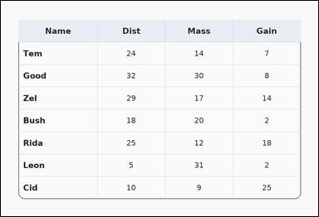 | 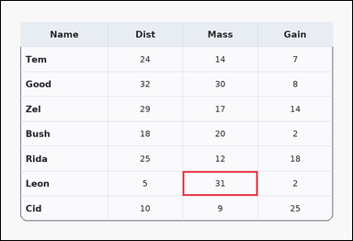 | task_tables_statistics_summary_label | argmax | Look at the table in the image. It shows a card-style table with one Name column, several numeric columns, a rounded outer frame, and a shaded header row. Find the row name that satisfies the requested column statistic. Identify the row with the maximum value in the Mass column. Return a valid JSON object with keys "evidence" and "answer" in that order. Evidence field: set "evidence" to an array containing exactly one bounding box [x1, y1, x2, y2] for the supporting maximum-value cell. Answer field: set "answer" to the exact row-name string from the table. Example JSON: {"evidence":[[260,180,372,236]],"answer":"Ava"} | Look at the table in the image. It shows a card-style table with one Name column, several numeric columns, a rounded outer frame, and a shaded header row. Find the row name that satisfies the requested column statistic. Identify the row with the maximum value in the Mass column. Return a valid JSON object with key "answer". Answer requirement: set "answer" to the exact row-name string from the table. Example JSON: {"answer":"Ava"} | {"evidence": [[486.72, 455.0, 687.36, 521.5]], "answer": "Leon"} | [[486.72, 455.0, 687.36, 521.5]] | string | bbox_set | 121034173416423 | tables/task_tables_statistics_summary_label/images/argmax/0018.png | tables/task_tables_statistics_summary_label/data/argmax/0018.json
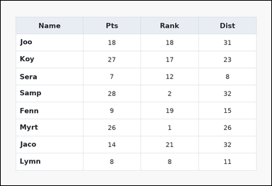 | 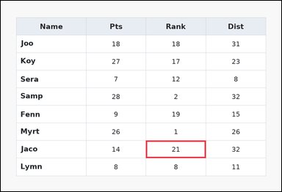 | task_tables_statistics_summary_label | argmax | Work from the styled table shown in the image: a spreadsheet-style table with one Name column, several numeric columns, full grid lines, and a shaded header row. Use the table values to identify the correct row label. What row name corresponds to the highest value in Rank? Return a valid JSON object with keys "evidence" and "answer" in that order. Evidence requirement: set "evidence" to an array containing exactly one bounding box [x1, y1, x2, y2] for the supporting maximum-value cell. Answer format: set "answer" to the exact row-name string from the table. Example JSON: {"evidence":[[260,180,372,236]],"answer":"Ava"} | Work from the styled table shown in the image: a spreadsheet-style table with one Name column, several numeric columns, full grid lines, and a shaded header row. Use the table values to identify the correct row label. What row name corresponds to the highest value in Rank? Return a valid JSON object with key "answer". Answer field: set "answer" to the exact row-name string from the table. Example JSON: {"answer":"Ava"} | {"evidence": [[486.72, 469.778, 687.36, 528.889]], "answer": "Jaco"} | [[486.72, 469.778, 687.36, 528.889]] | string | bbox_set | 243885877162202 | tables/task_tables_statistics_summary_label/images/argmax/0003.png | tables/task_tables_statistics_summary_label/data/argmax/0003.json
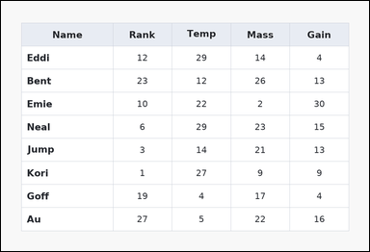 | 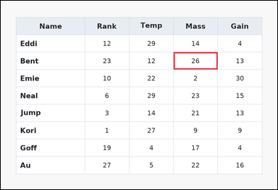 | task_tables_statistics_summary_label | argmax | The image shows a spreadsheet-style table with one Name column, several numeric columns, full grid lines, and a shaded header row. Read the table and name the matching row. Which row has the highest value in the Mass column? Return a valid JSON object with keys "evidence" and "answer" in that order. Evidence requirement: set "evidence" to an array containing exactly one bounding box [x1, y1, x2, y2] for the supporting maximum-value cell. Answer format: set "answer" to the exact row-name string from the table. Example JSON: {"evidence":[[260,180,372,236]],"answer":"Ava"} | The image shows a spreadsheet-style table with one Name column, several numeric columns, full grid lines, and a shaded header row. Read the table and name the matching row. Which row has the highest value in the Mass column? Return a valid JSON object with key "answer". Answer requirement: set "answer" to the exact row-name string from the table. Example JSON: {"answer":"Ava"} | {"evidence": [[587.04, 174.222, 737.52, 233.333]], "answer": "Bent"} | [[587.04, 174.222, 737.52, 233.333]] | string | bbox_set | 462896572213093 | tables/task_tables_statistics_summary_label/images/argmax/0020.png | tables/task_tables_statistics_summary_label/data/argmax/0020.json
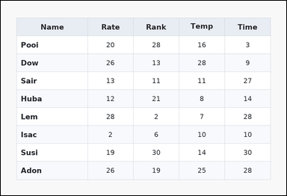 | 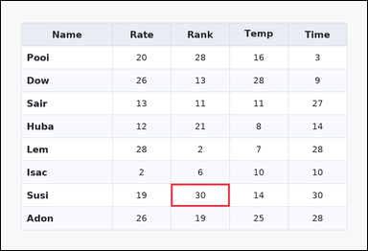 | task_tables_statistics_summary_label | argmax | Use the table in the image. It shows a zebra-striped table with one Name column, several numeric columns, alternating row shading, and a shaded header row. Find the row name that satisfies the requested column statistic. Find the row label of the maximum value in the Rank column. Return a valid JSON object with keys "evidence" and "answer" in that order. Evidence requirement: set "evidence" to an array containing exactly one bounding box [x1, y1, x2, y2] for the supporting maximum-value cell. Answer format: set "answer" to the exact row-name string from the table. Example JSON: {"evidence":[[260,180,372,236]],"answer":"Ava"} | Use the table in the image. It shows a zebra-striped table with one Name column, several numeric columns, alternating row shading, and a shaded header row. Find the row name that satisfies the requested column statistic. Find the row label of the maximum value in the Rank column. Return a valid JSON object with key "answer". Answer format: set "answer" to the exact row-name string from the table. Example JSON: {"answer":"Ava"} | {"evidence": [[436.56, 469.778, 587.04, 528.889]], "answer": "Susi"} | [[436.56, 469.778, 587.04, 528.889]] | string | bbox_set | 1.5129158272E+15 | tables/task_tables_statistics_summary_label/images/argmax/0022.png | tables/task_tables_statistics_summary_label/data/argmax/0022.json
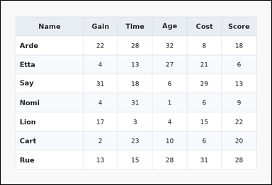 | 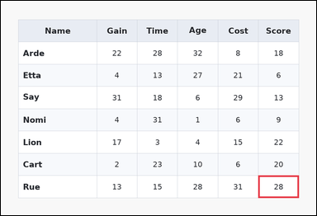 | task_tables_statistics_summary_label | argmax | Look at the table in the image. It shows a zebra-striped table with one Name column, several numeric columns, alternating row shading, and a shaded header row. Determine which row label matches the requested column statistic. Which row has the highest value in the Score column? Return a valid JSON object with keys "evidence" and "answer" in that order. Evidence field: set "evidence" to an array containing exactly one bounding box [x1, y1, x2, y2] for the supporting maximum-value cell. Answer field: set "answer" to the exact row-name string from the table. Example JSON: {"evidence":[[260,180,372,236]],"answer":"Ava"} | Look at the table in the image. It shows a zebra-striped table with one Name column, several numeric columns, alternating row shading, and a shaded header row. Determine which row label matches the requested column statistic. Which row has the highest value in the Score column? Return a valid JSON object with key "answer". Answer requirement: set "answer" to the exact row-name string from the table. Example JSON: {"answer":"Ava"} | {"evidence": [[767.616, 521.5, 888.0, 588.0]], "answer": "Rue"} | [[767.616, 521.5, 888.0, 588.0]] | string | bbox_set | 2.0470744136E+15 | tables/task_tables_statistics_summary_label/images/argmax/0011.png | tables/task_tables_statistics_summary_label/data/argmax/0011.json
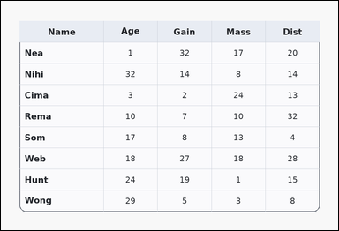 | 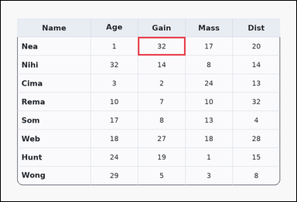 | task_tables_statistics_summary_label | argmax | The image shows a card-style table with one Name column, several numeric columns, a rounded outer frame, and a shaded header row. Find the row name that satisfies the requested column statistic. Determine which row shows the largest value under Gain. Return a valid JSON object with keys "evidence" and "answer" in that order. Evidence rule: set "evidence" to an array containing exactly one bounding box [x1, y1, x2, y2] for the supporting maximum-value cell. Answer rule: set "answer" to the exact row-name string from the table. Example JSON: {"evidence":[[260,180,372,236]],"answer":"Ava"} | The image shows a card-style table with one Name column, several numeric columns, a rounded outer frame, and a shaded header row. Find the row name that satisfies the requested column statistic. Determine which row shows the largest value under Gain. Return a valid JSON object with key "answer". Answer requirement: set "answer" to the exact row-name string from the table. Example JSON: {"answer":"Ava"} | {"evidence": [[436.56, 115.111, 587.04, 174.222]], "answer": "Nea"} | [[436.56, 115.111, 587.04, 174.222]] | string | bbox_set | 2.2012484212E+15 | tables/task_tables_statistics_summary_label/images/argmax/0004.png | tables/task_tables_statistics_summary_label/data/argmax/0004.json
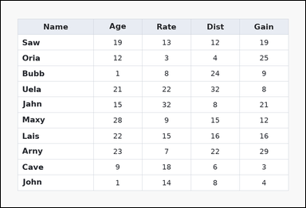 | 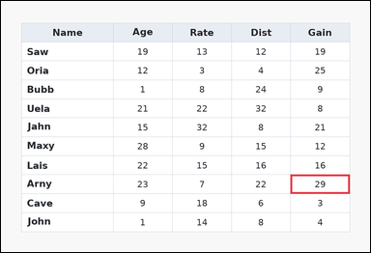 | task_tables_statistics_summary_label | argmax | The image shows a spreadsheet-style table with one Name column, several numeric columns, full grid lines, and a shaded header row. Determine which row label matches the requested column statistic. Find the row label of the maximum value in the Gain column. Return a valid JSON object with keys "evidence" and "answer" in that order. Evidence format: set "evidence" to an array containing exactly one bounding box [x1, y1, x2, y2] for the supporting maximum-value cell. Answer requirement: set "answer" to the exact row-name string from the table. Example JSON: {"evidence":[[260,180,372,236]],"answer":"Ava"} | The image shows a spreadsheet-style table with one Name column, several numeric columns, full grid lines, and a shaded header row. Determine which row label matches the requested column statistic. Find the row label of the maximum value in the Gain column. Return a valid JSON object with key "answer". Answer: set "answer" to the exact row-name string from the table. Example JSON: {"answer":"Ava"} | {"evidence": [[737.52, 442.909, 888.0, 491.273]], "answer": "Arny"} | [[737.52, 442.909, 888.0, 491.273]] | string | bbox_set | 2.9800826919E+15 | tables/task_tables_statistics_summary_label/images/argmax/0002.png | tables/task_tables_statistics_summary_label/data/argmax/0002.json
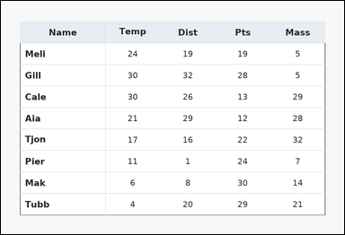 | 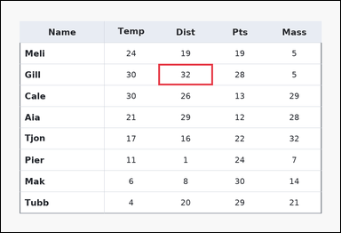 | task_tables_statistics_summary_label | argmax | Look at the table in the image. It shows a ledger-style table with one Name column, several numeric columns, strong horizontal rules, and minimal vertical separators. Use the table values to identify the correct row label. Which row has the highest value in the Dist column? Return a valid JSON object with keys "evidence" and "answer" in that order. Evidence field: set "evidence" to an array containing exactly one bounding box [x1, y1, x2, y2] for the supporting maximum-value cell. Answer field: set "answer" to the exact row-name string from the table. Example JSON: {"evidence":[[260,180,372,236]],"answer":"Ava"} | Look at the table in the image. It shows a ledger-style table with one Name column, several numeric columns, strong horizontal rules, and minimal vertical separators. Use the table values to identify the correct row label. Which row has the highest value in the Dist column? Return a valid JSON object with key "answer". Answer rule: set "answer" to the exact row-name string from the table. Example JSON: {"answer":"Ava"} | {"evidence": [[436.56, 174.222, 587.04, 233.333]], "answer": "Gill"} | [[436.56, 174.222, 587.04, 233.333]] | string | bbox_set | 3.7888708408E+15 | tables/task_tables_statistics_summary_label/images/argmax/0000.png | tables/task_tables_statistics_summary_label/data/argmax/0000.json
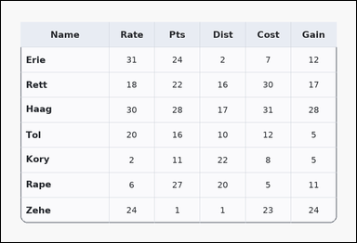 | 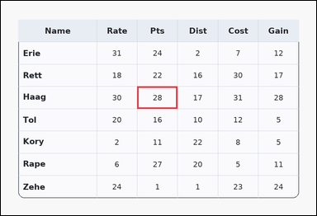 | task_tables_statistics_summary_label | argmax | Look at the table in the image. It shows a card-style table with one Name column, several numeric columns, a rounded outer frame, and a shaded header row. Answer this question. Determine which row shows the largest value under Pts. Return a valid JSON object with keys "evidence" and "answer" in that order. Evidence: set "evidence" to an array containing exactly one bounding box [x1, y1, x2, y2] for the supporting maximum-value cell. Answer: set "answer" to the exact row-name string from the table. Example JSON: {"evidence":[[260,180,372,236]],"answer":"Ava"} | Look at the table in the image. It shows a card-style table with one Name column, several numeric columns, a rounded outer frame, and a shaded header row. Answer this question. Determine which row shows the largest value under Pts. Return a valid JSON object with key "answer". Answer: set "answer" to the exact row-name string from the table. Example JSON: {"answer":"Ava"} | {"evidence": [[406.464, 255.5, 526.848, 322.0]], "answer": "Haag"} | [[406.464, 255.5, 526.848, 322.0]] | string | bbox_set | 4.2058705678E+15 | tables/task_tables_statistics_summary_label/images/argmax/0014.png | tables/task_tables_statistics_summary_label/data/argmax/0014.json
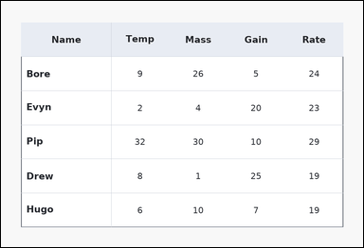 | 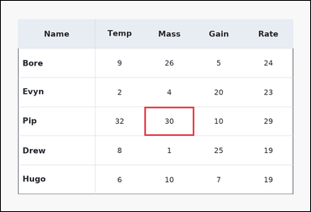 | task_tables_statistics_summary_label | argmax | You are given a table: a ledger-style table with one Name column, several numeric columns, strong horizontal rules, and minimal vertical separators. Answer this question. Which row has the highest value in the Mass column? Return a valid JSON object with keys "evidence" and "answer" in that order. Evidence format: set "evidence" to an array containing exactly one bounding box [x1, y1, x2, y2] for the supporting maximum-value cell. Answer requirement: set "answer" to the exact row-name string from the table. Example JSON: {"evidence":[[260,180,372,236]],"answer":"Ava"} | You are given a table: a ledger-style table with one Name column, several numeric columns, strong horizontal rules, and minimal vertical separators. Answer this question. Which row has the highest value in the Mass column? Return a valid JSON object with key "answer". Answer requirement: set "answer" to the exact row-name string from the table. Example JSON: {"answer":"Ava"} | {"evidence": [[436.56, 322.0, 587.04, 410.667]], "answer": "Pip"} | [[436.56, 322.0, 587.04, 410.667]] | string | bbox_set | 5.1795109043E+15 | tables/task_tables_statistics_summary_label/images/argmax/0021.png | tables/task_tables_statistics_summary_label/data/argmax/0021.json
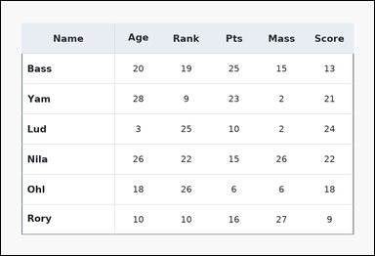 | 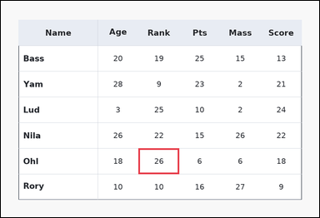 | task_tables_statistics_summary_label | argmax | Look at the table in the image. It shows a ledger-style table with one Name column, several numeric columns, strong horizontal rules, and minimal vertical separators. Determine which row label matches the requested column statistic. Find the row label of the maximum value in the Rank column. Return a valid JSON object with keys "evidence" and "answer" in that order. Evidence rule: set "evidence" to an array containing exactly one bounding box [x1, y1, x2, y2] for the supporting maximum-value cell. Answer rule: set "answer" to the exact row-name string from the table. Example JSON: {"evidence":[[260,180,372,236]],"answer":"Ava"} | Look at the table in the image. It shows a ledger-style table with one Name column, several numeric columns, strong horizontal rules, and minimal vertical separators. Determine which row label matches the requested column statistic. Find the row label of the maximum value in the Rank column. Return a valid JSON object with key "answer". Answer field: set "answer" to the exact row-name string from the table. Example JSON: {"answer":"Ava"} | {"evidence": [[406.464, 436.0, 526.848, 512.0]], "answer": "Ohl"} | [[406.464, 436.0, 526.848, 512.0]] | string | bbox_set | 5.6126403942E+15 | tables/task_tables_statistics_summary_label/images/argmax/0005.png | tables/task_tables_statistics_summary_label/data/argmax/0005.json
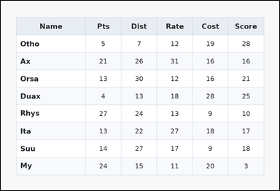 | 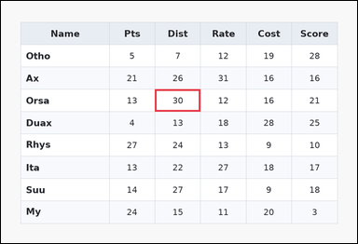 | task_tables_statistics_summary_label | argmax | Work from the styled table shown in the image: a zebra-striped table with one Name column, several numeric columns, alternating row shading, and a shaded header row. Read the table and name the matching row. What row name corresponds to the highest value in Dist? Return a valid JSON object with keys "evidence" and "answer" in that order. Evidence field: set "evidence" to an array containing exactly one bounding box [x1, y1, x2, y2] for the supporting maximum-value cell. Answer field: set "answer" to the exact row-name string from the table. Example JSON: {"evidence":[[260,180,372,236]],"answer":"Ava"} | Work from the styled table shown in the image: a zebra-striped table with one Name column, several numeric columns, alternating row shading, and a shaded header row. Read the table and name the matching row. What row name corresponds to the highest value in Dist? Return a valid JSON object with key "answer". Answer requirement: set "answer" to the exact row-name string from the table. Example JSON: {"answer":"Ava"} | {"evidence": [[406.464, 233.333, 526.848, 292.444]], "answer": "Orsa"} | [[406.464, 233.333, 526.848, 292.444]] | string | bbox_set | 5.6565085082E+15 | tables/task_tables_statistics_summary_label/images/argmax/0001.png | tables/task_tables_statistics_summary_label/data/argmax/0001.json
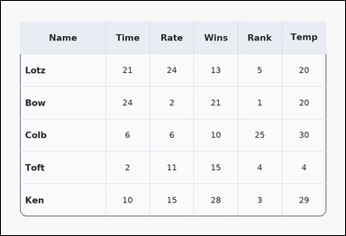 | 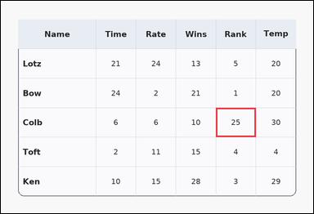 | task_tables_statistics_summary_label | argmax | Look at the table in the image. It shows a card-style table with one Name column, several numeric columns, a rounded outer frame, and a shaded header row. Answer this question. What row name corresponds to the highest value in Rank? Return a valid JSON object with keys "evidence" and "answer" in that order. Evidence field: set "evidence" to an array containing exactly one bounding box [x1, y1, x2, y2] for the supporting maximum-value cell. Answer field: set "answer" to the exact row-name string from the table. Example JSON: {"evidence":[[260,180,372,236]],"answer":"Ava"} | Look at the table in the image. It shows a card-style table with one Name column, several numeric columns, a rounded outer frame, and a shaded header row. Answer this question. What row name corresponds to the highest value in Rank? Return a valid JSON object with key "answer". Answer: set "answer" to the exact row-name string from the table. Example JSON: {"answer":"Ava"} | {"evidence": [[647.232, 322.0, 767.616, 410.667]], "answer": "Colb"} | [[647.232, 322.0, 767.616, 410.667]] | string | bbox_set | 5.8477580989E+15 | tables/task_tables_statistics_summary_label/images/argmax/0024.png | tables/task_tables_statistics_summary_label/data/argmax/0024.json
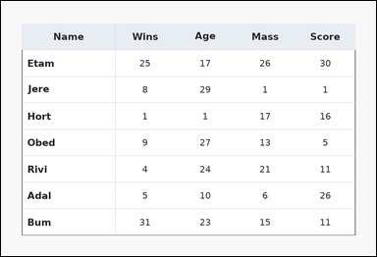 | 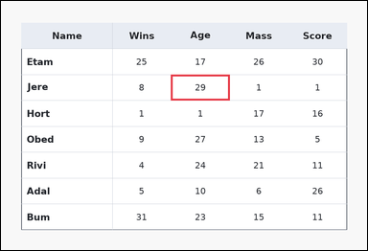 | task_tables_statistics_summary_label | argmax | The image shows a ledger-style table with one Name column, several numeric columns, strong horizontal rules, and minimal vertical separators. Answer this question. Determine which row shows the largest value under Age. Return a valid JSON object with keys "evidence" and "answer" in that order. Evidence: set "evidence" to an array containing exactly one bounding box [x1, y1, x2, y2] for the supporting maximum-value cell. Answer: set "answer" to the exact row-name string from the table. Example JSON: {"evidence":[[260,180,372,236]],"answer":"Ava"} | The image shows a ledger-style table with one Name column, several numeric columns, strong horizontal rules, and minimal vertical separators. Answer this question. Determine which row shows the largest value under Age. Return a valid JSON object with key "answer". Answer: set "answer" to the exact row-name string from the table. Example JSON: {"answer":"Ava"} | {"evidence": [[436.56, 189.0, 587.04, 255.5]], "answer": "Jere"} | [[436.56, 189.0, 587.04, 255.5]] | string | bbox_set | 5.8971988119E+15 | tables/task_tables_statistics_summary_label/images/argmax/0017.png | tables/task_tables_statistics_summary_label/data/argmax/0017.json
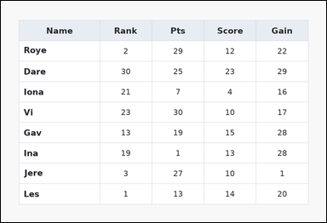 | 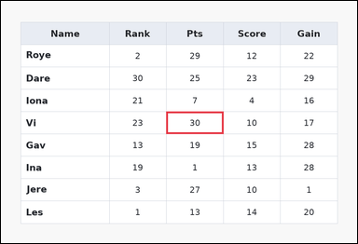 | task_tables_statistics_summary_label | argmax | Look at the table in the image. It shows a spreadsheet-style table with one Name column, several numeric columns, full grid lines, and a shaded header row. Answer this question. Identify the row with the maximum value in the Pts column. Return a valid JSON object with keys "evidence" and "answer" in that order. Evidence field: set "evidence" to an array containing exactly one bounding box [x1, y1, x2, y2] for the supporting maximum-value cell. Answer field: set "answer" to the exact row-name string from the table. Example JSON: {"evidence":[[260,180,372,236]],"answer":"Ava"} | Look at the table in the image. It shows a spreadsheet-style table with one Name column, several numeric columns, full grid lines, and a shaded header row. Answer this question. Identify the row with the maximum value in the Pts column. Return a valid JSON object with key "answer". Answer requirement: set "answer" to the exact row-name string from the table. Example JSON: {"answer":"Ava"} | {"evidence": [[436.56, 292.444, 587.04, 351.556]], "answer": "Vi"} | [[436.56, 292.444, 587.04, 351.556]] | string | bbox_set | 6.5384072134E+15 | tables/task_tables_statistics_summary_label/images/argmax/0007.png | tables/task_tables_statistics_summary_label/data/argmax/0007.json
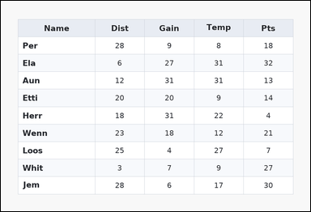 | 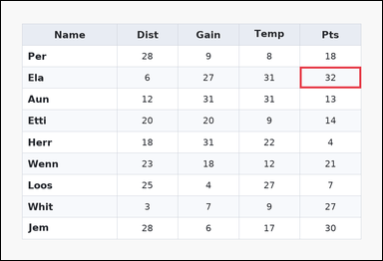 | task_tables_statistics_summary_label | argmax | Use the table in the image. It shows a zebra-striped table with one Name column, several numeric columns, alternating row shading, and a shaded header row. Find the row name that satisfies the requested column statistic. Determine which row shows the largest value under Pts. Return a valid JSON object with keys "evidence" and "answer" in that order. Evidence: set "evidence" to an array containing exactly one bounding box [x1, y1, x2, y2] for the supporting maximum-value cell. Answer: set "answer" to the exact row-name string from the table. Example JSON: {"evidence":[[260,180,372,236]],"answer":"Ava"} | Use the table in the image. It shows a zebra-striped table with one Name column, several numeric columns, alternating row shading, and a shaded header row. Find the row name that satisfies the requested column statistic. Determine which row shows the largest value under Pts. Return a valid JSON object with key "answer". Answer requirement: set "answer" to the exact row-name string from the table. Example JSON: {"answer":"Ava"} | {"evidence": [[737.52, 162.4, 888.0, 215.6]], "answer": "Ela"} | [[737.52, 162.4, 888.0, 215.6]] | string | bbox_set | 6.8856741491E+15 | tables/task_tables_statistics_summary_label/images/argmax/0008.png | tables/task_tables_statistics_summary_label/data/argmax/0008.json
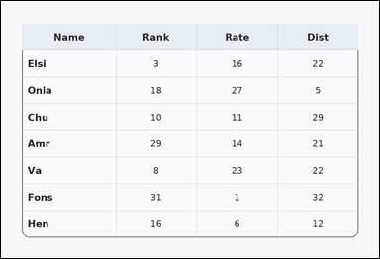 | 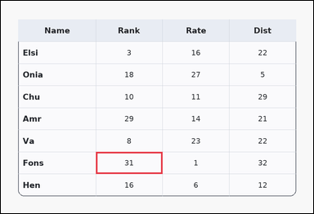 | task_tables_statistics_summary_label | argmax | The image shows a card-style table with one Name column, several numeric columns, a rounded outer frame, and a shaded header row. Read the table and name the matching row. Determine which row shows the largest value under Rank. Return a valid JSON object with keys "evidence" and "answer" in that order. Evidence format: set "evidence" to an array containing exactly one bounding box [x1, y1, x2, y2] for the supporting maximum-value cell. Answer requirement: set "answer" to the exact row-name string from the table. Example JSON: {"evidence":[[260,180,372,236]],"answer":"Ava"} | The image shows a card-style table with one Name column, several numeric columns, a rounded outer frame, and a shaded header row. Read the table and name the matching row. Determine which row shows the largest value under Rank. Return a valid JSON object with key "answer". Answer: set "answer" to the exact row-name string from the table. Example JSON: {"answer":"Ava"} | {"evidence": [[286.08, 455.0, 486.72, 521.5]], "answer": "Fons"} | [[286.08, 455.0, 486.72, 521.5]] | string | bbox_set | 7.3312286845E+15 | tables/task_tables_statistics_summary_label/images/argmax/0015.png | tables/task_tables_statistics_summary_label/data/argmax/0015.json
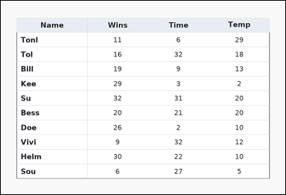 | 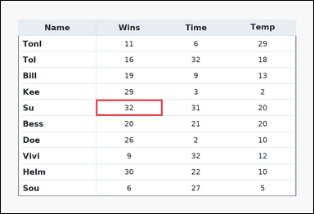 | task_tables_statistics_summary_label | argmax | Use the table in the image. It shows a ledger-style table with one Name column, several numeric columns, strong horizontal rules, and minimal vertical separators. Read the table and name the matching row. Which row has the highest value in the Wins column? Return a valid JSON object with keys "evidence" and "answer" in that order. Evidence format: set "evidence" to an array containing exactly one bounding box [x1, y1, x2, y2] for the supporting maximum-value cell. Answer requirement: set "answer" to the exact row-name string from the table. Example JSON: {"evidence":[[260,180,372,236]],"answer":"Ava"} | Use the table in the image. It shows a ledger-style table with one Name column, several numeric columns, strong horizontal rules, and minimal vertical separators. Read the table and name the matching row. Which row has the highest value in the Wins column? Return a valid JSON object with key "answer". Answer: set "answer" to the exact row-name string from the table. Example JSON: {"answer":"Ava"} | {"evidence": [[286.08, 297.818, 486.72, 346.182]], "answer": "Su"} | [[286.08, 297.818, 486.72, 346.182]] | string | bbox_set | 7.5038702369E+15 | tables/task_tables_statistics_summary_label/images/argmax/0023.png | tables/task_tables_statistics_summary_label/data/argmax/0023.json
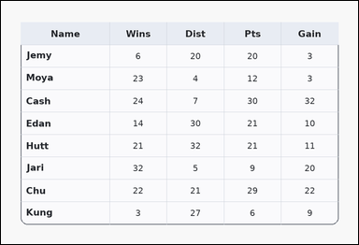 | 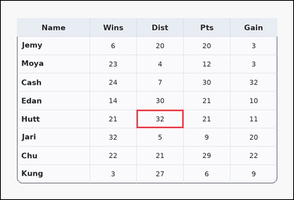 | task_tables_statistics_summary_label | argmax | Look at the table in the image. It shows a card-style table with one Name column, several numeric columns, a rounded outer frame, and a shaded header row. Determine which row label matches the requested column statistic. Identify the row with the maximum value in the Dist column. Return a valid JSON object with keys "evidence" and "answer" in that order. Evidence requirement: set "evidence" to an array containing exactly one bounding box [x1, y1, x2, y2] for the supporting maximum-value cell. Answer format: set "answer" to the exact row-name string from the table. Example JSON: {"evidence":[[260,180,372,236]],"answer":"Ava"} | Look at the table in the image. It shows a card-style table with one Name column, several numeric columns, a rounded outer frame, and a shaded header row. Determine which row label matches the requested column statistic. Identify the row with the maximum value in the Dist column. Return a valid JSON object with key "answer". Answer field: set "answer" to the exact row-name string from the table. Example JSON: {"answer":"Ava"} | {"evidence": [[436.56, 351.556, 587.04, 410.667]], "answer": "Hutt"} | [[436.56, 351.556, 587.04, 410.667]] | string | bbox_set | 7.6869010184E+15 | tables/task_tables_statistics_summary_label/images/argmax/0013.png | tables/task_tables_statistics_summary_label/data/argmax/0013.json
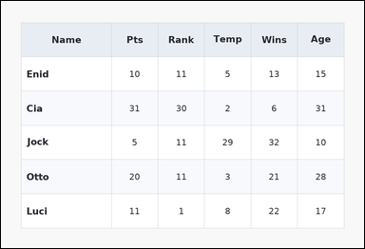 | 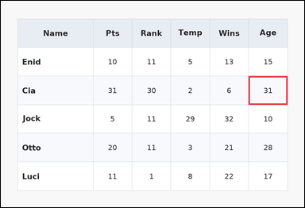 | task_tables_statistics_summary_label | argmax | The image shows a zebra-striped table with one Name column, several numeric columns, alternating row shading, and a shaded header row. Use the table values to identify the correct row label. What row name corresponds to the highest value in Age? Return a valid JSON object with keys "evidence" and "answer" in that order. Evidence rule: set "evidence" to an array containing exactly one bounding box [x1, y1, x2, y2] for the supporting maximum-value cell. Answer rule: set "answer" to the exact row-name string from the table. Example JSON: {"evidence":[[260,180,372,236]],"answer":"Ava"} | The image shows a zebra-striped table with one Name column, several numeric columns, alternating row shading, and a shaded header row. Use the table values to identify the correct row label. What row name corresponds to the highest value in Age? Return a valid JSON object with key "answer". Answer rule: set "answer" to the exact row-name string from the table. Example JSON: {"answer":"Ava"} | {"evidence": [[767.616, 233.333, 888.0, 322.0]], "answer": "Cia"} | [[767.616, 233.333, 888.0, 322.0]] | string | bbox_set | 7.698309998E+15 | tables/task_tables_statistics_summary_label/images/argmax/0019.png | tables/task_tables_statistics_summary_label/data/argmax/0019.json
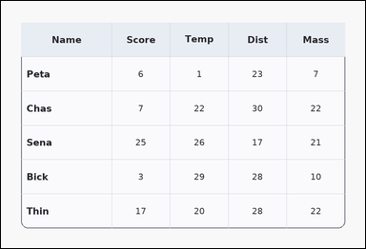 | 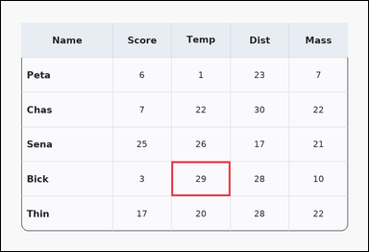 | task_tables_statistics_summary_label | argmax | You are given a table: a card-style table with one Name column, several numeric columns, a rounded outer frame, and a shaded header row. Use the table values to identify the correct row label. Which row has the highest value in the Temp column? Return a valid JSON object with keys "evidence" and "answer" in that order. Evidence field: set "evidence" to an array containing exactly one bounding box [x1, y1, x2, y2] for the supporting maximum-value cell. Answer field: set "answer" to the exact row-name string from the table. Example JSON: {"evidence":[[260,180,372,236]],"answer":"Ava"} | You are given a table: a card-style table with one Name column, several numeric columns, a rounded outer frame, and a shaded header row. Use the table values to identify the correct row label. Which row has the highest value in the Temp column? Return a valid JSON object with key "answer". Answer format: set "answer" to the exact row-name string from the table. Example JSON: {"answer":"Ava"} | {"evidence": [[436.56, 410.667, 587.04, 499.333]], "answer": "Bick"} | [[436.56, 410.667, 587.04, 499.333]] | string | bbox_set | 7.7654617101E+15 | tables/task_tables_statistics_summary_label/images/argmax/0016.png | tables/task_tables_statistics_summary_label/data/argmax/0016.json
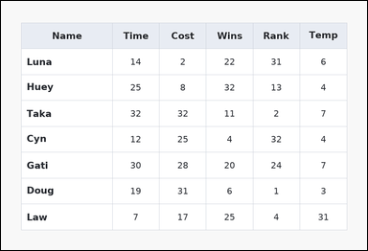 | 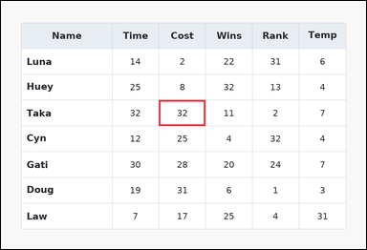 | task_tables_statistics_summary_label | argmax | Look at the table in the image. It shows a spreadsheet-style table with one Name column, several numeric columns, full grid lines, and a shaded header row. Use the table values to identify the correct row label. Which row has the highest value in the Cost column? Return a valid JSON object with keys "evidence" and "answer" in that order. Evidence: set "evidence" to an array containing exactly one bounding box [x1, y1, x2, y2] for the supporting maximum-value cell. Answer: set "answer" to the exact row-name string from the table. Example JSON: {"evidence":[[260,180,372,236]],"answer":"Ava"} | Look at the table in the image. It shows a spreadsheet-style table with one Name column, several numeric columns, full grid lines, and a shaded header row. Use the table values to identify the correct row label. Which row has the highest value in the Cost column? Return a valid JSON object with key "answer". Answer field: set "answer" to the exact row-name string from the table. Example JSON: {"answer":"Ava"} | {"evidence": [[406.464, 255.5, 526.848, 322.0]], "answer": "Taka"} | [[406.464, 255.5, 526.848, 322.0]] | string | bbox_set | 8.0395098197E+15 | tables/task_tables_statistics_summary_label/images/argmax/0010.png | tables/task_tables_statistics_summary_label/data/argmax/0010.json
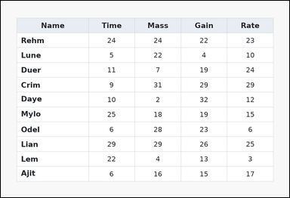 | 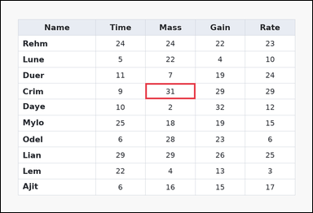 | task_tables_statistics_summary_label | argmax | Use the table in the image. It shows a spreadsheet-style table with one Name column, several numeric columns, full grid lines, and a shaded header row. Find the row name that satisfies the requested column statistic. Determine which row shows the largest value under Mass. Return a valid JSON object with keys "evidence" and "answer" in that order. Evidence: set "evidence" to an array containing exactly one bounding box [x1, y1, x2, y2] for the supporting maximum-value cell. Answer: set "answer" to the exact row-name string from the table. Example JSON: {"evidence":[[260,180,372,236]],"answer":"Ava"} | Use the table in the image. It shows a spreadsheet-style table with one Name column, several numeric columns, full grid lines, and a shaded header row. Find the row name that satisfies the requested column statistic. Determine which row shows the largest value under Mass. Return a valid JSON object with key "answer". Answer requirement: set "answer" to the exact row-name string from the table. Example JSON: {"answer":"Ava"} | {"evidence": [[436.56, 249.455, 587.04, 297.818]], "answer": "Crim"} | [[436.56, 249.455, 587.04, 297.818]] | string | bbox_set | 8.1989031528E+15 | tables/task_tables_statistics_summary_label/images/argmax/0006.png | tables/task_tables_statistics_summary_label/data/argmax/0006.json
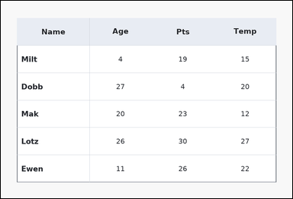 | 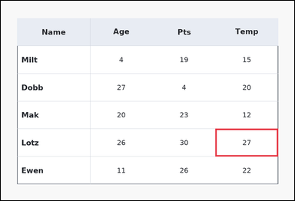 | task_tables_statistics_summary_label | argmax | The image shows a ledger-style table with one Name column, several numeric columns, strong horizontal rules, and minimal vertical separators. Determine which row label matches the requested column statistic. Find the row label of the maximum value in the Temp column. Return a valid JSON object with keys "evidence" and "answer" in that order. Evidence field: set "evidence" to an array containing exactly one bounding box [x1, y1, x2, y2] for the supporting maximum-value cell. Answer field: set "answer" to the exact row-name string from the table. Example JSON: {"evidence":[[260,180,372,236]],"answer":"Ava"} | The image shows a ledger-style table with one Name column, several numeric columns, strong horizontal rules, and minimal vertical separators. Determine which row label matches the requested column statistic. Find the row label of the maximum value in the Temp column. Return a valid JSON object with key "answer". Answer format: set "answer" to the exact row-name string from the table. Example JSON: {"answer":"Ava"} | {"evidence": [[687.36, 410.667, 888.0, 499.333]], "answer": "Lotz"} | [[687.36, 410.667, 888.0, 499.333]] | string | bbox_set | 8.6194207436E+15 | tables/task_tables_statistics_summary_label/images/argmax/0012.png | tables/task_tables_statistics_summary_label/data/argmax/0012.json
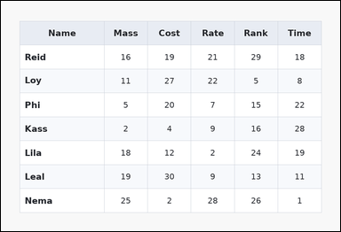 | 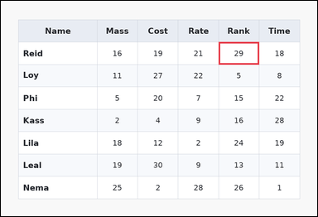 | task_tables_statistics_summary_label | argmax | You are given a table: a zebra-striped table with one Name column, several numeric columns, alternating row shading, and a shaded header row. Use the table values to identify the correct row label. What row name corresponds to the highest value in Rank? Return a valid JSON object with keys "evidence" and "answer" in that order. Evidence format: set "evidence" to an array containing exactly one bounding box [x1, y1, x2, y2] for the supporting maximum-value cell. Answer requirement: set "answer" to the exact row-name string from the table. Example JSON: {"evidence":[[260,180,372,236]],"answer":"Ava"} | You are given a table: a zebra-striped table with one Name column, several numeric columns, alternating row shading, and a shaded header row. Use the table values to identify the correct row label. What row name corresponds to the highest value in Rank? Return a valid JSON object with key "answer". Answer rule: set "answer" to the exact row-name string from the table. Example JSON: {"answer":"Ava"} | {"evidence": [[647.232, 122.5, 767.616, 189.0]], "answer": "Reid"} | [[647.232, 122.5, 767.616, 189.0]] | string | bbox_set | 8.7578585378E+15 | tables/task_tables_statistics_summary_label/images/argmax/0009.png | tables/task_tables_statistics_summary_label/data/argmax/0009.json

argmin
image | evidence_image | task | task_variant | prompt | prompt_answer_only | answer | answer_evidence | answer_type | evidence_type | instance_seed | image_path | data_path
 |  | task_tables_statistics_summary_label | argmin | The image shows a ledger-style table with one Name column, several numeric columns, strong horizontal rules, and minimal vertical separators. Read the table and name the matching row. Determine which row shows the smallest value under Temp. Return a valid JSON object with keys "evidence" and "answer" in that order. Evidence field: set "evidence" to an array containing exactly one bounding box [x1, y1, x2, y2] for the supporting minimum-value cell. Answer field: set "answer" to the exact row-name string from the table. Example JSON: {"evidence":[[260,180,372,236]],"answer":"Milo"} | The image shows a ledger-style table with one Name column, several numeric columns, strong horizontal rules, and minimal vertical separators. Read the table and name the matching row. Determine which row shows the smallest value under Temp. Return a valid JSON object with key "answer". Answer requirement: set "answer" to the exact row-name string from the table. Example JSON: {"answer":"Milo"} | {"evidence": [[286.08, 297.818, 406.464, 346.182]], "answer": "Ulda"} | [[286.08, 297.818, 406.464, 346.182]] | string | bbox_set | 501073000901973 | tables/task_tables_statistics_summary_label/images/argmin/0023.png | tables/task_tables_statistics_summary_label/data/argmin/0023.json
 |  | task_tables_statistics_summary_label | argmin | You are given a table: a card-style table with one Name column, several numeric columns, a rounded outer frame, and a shaded header row. Use the table values to identify the correct row label. What row name corresponds to the lowest value in Rank? Return a valid JSON object with keys "evidence" and "answer" in that order. Evidence field: set "evidence" to an array containing exactly one bounding box [x1, y1, x2, y2] for the supporting minimum-value cell. Answer field: set "answer" to the exact row-name string from the table. Example JSON: {"evidence":[[260,180,372,236]],"answer":"Milo"} | You are given a table: a card-style table with one Name column, several numeric columns, a rounded outer frame, and a shaded header row. Use the table values to identify the correct row label. What row name corresponds to the lowest value in Rank? Return a valid JSON object with key "answer". Answer format: set "answer" to the exact row-name string from the table. Example JSON: {"answer":"Milo"} | {"evidence": [[647.232, 534.8, 767.616, 588.0]], "answer": "Dosh"} | [[647.232, 534.8, 767.616, 588.0]] | string | bbox_set | 1.1489434425E+15 | tables/task_tables_statistics_summary_label/images/argmin/0015.png | tables/task_tables_statistics_summary_label/data/argmin/0015.json
 |  | task_tables_statistics_summary_label | argmin | The image shows a card-style table with one Name column, several numeric columns, a rounded outer frame, and a shaded header row. Read the table and name the matching row. Determine which row shows the smallest value under Gain. Return a valid JSON object with keys "evidence" and "answer" in that order. Evidence field: set "evidence" to an array containing exactly one bounding box [x1, y1, x2, y2] for the supporting minimum-value cell. Answer field: set "answer" to the exact row-name string from the table. Example JSON: {"evidence":[[260,180,372,236]],"answer":"Milo"} | The image shows a card-style table with one Name column, several numeric columns, a rounded outer frame, and a shaded header row. Read the table and name the matching row. Determine which row shows the smallest value under Gain. Return a valid JSON object with key "answer". Answer: set "answer" to the exact row-name string from the table. Example JSON: {"answer":"Milo"} | {"evidence": [[647.232, 322.0, 767.616, 410.667]], "answer": "Egan"} | [[647.232, 322.0, 767.616, 410.667]] | string | bbox_set | 1.1701450996E+15 | tables/task_tables_statistics_summary_label/images/argmin/0013.png | tables/task_tables_statistics_summary_label/data/argmin/0013.json
 |  | task_tables_statistics_summary_label | argmin | You are given a table: a spreadsheet-style table with one Name column, several numeric columns, full grid lines, and a shaded header row. Answer this question. Determine which row shows the smallest value under Gain. Return a valid JSON object with keys "evidence" and "answer" in that order. Evidence requirement: set "evidence" to an array containing exactly one bounding box [x1, y1, x2, y2] for the supporting minimum-value cell. Answer format: set "answer" to the exact row-name string from the table. Example JSON: {"evidence":[[260,180,372,236]],"answer":"Milo"} | You are given a table: a spreadsheet-style table with one Name column, several numeric columns, full grid lines, and a shaded header row. Answer this question. Determine which row shows the smallest value under Gain. Return a valid JSON object with key "answer". Answer: set "answer" to the exact row-name string from the table. Example JSON: {"answer":"Milo"} | {"evidence": [[486.72, 201.091, 687.36, 249.455]], "answer": "Lole"} | [[486.72, 201.091, 687.36, 249.455]] | string | bbox_set | 1.1847530648E+15 | tables/task_tables_statistics_summary_label/images/argmin/0014.png | tables/task_tables_statistics_summary_label/data/argmin/0014.json
 |  | task_tables_statistics_summary_label | argmin | Work from the styled table shown in the image: a spreadsheet-style table with one Name column, several numeric columns, full grid lines, and a shaded header row. Answer this question. What row name corresponds to the lowest value in Temp? Return a valid JSON object with keys "evidence" and "answer" in that order. Evidence: set "evidence" to an array containing exactly one bounding box [x1, y1, x2, y2] for the supporting minimum-value cell. Answer: set "answer" to the exact row-name string from the table. Example JSON: {"evidence":[[260,180,372,236]],"answer":"Milo"} | Work from the styled table shown in the image: a spreadsheet-style table with one Name column, several numeric columns, full grid lines, and a shaded header row. Answer this question. What row name corresponds to the lowest value in Temp? Return a valid JSON object with key "answer". Answer requirement: set "answer" to the exact row-name string from the table. Example JSON: {"answer":"Milo"} | {"evidence": [[526.848, 115.111, 647.232, 174.222]], "answer": "Abbi"} | [[526.848, 115.111, 647.232, 174.222]] | string | bbox_set | 1.5592171111E+15 | tables/task_tables_statistics_summary_label/images/argmin/0005.png | tables/task_tables_statistics_summary_label/data/argmin/0005.json
 |  | task_tables_statistics_summary_label | argmin | The image shows a spreadsheet-style table with one Name column, several numeric columns, full grid lines, and a shaded header row. Find the row name that satisfies the requested column statistic. Find the row label of the minimum value in the Pts column. Return a valid JSON object with keys "evidence" and "answer" in that order. Evidence rule: set "evidence" to an array containing exactly one bounding box [x1, y1, x2, y2] for the supporting minimum-value cell. Answer rule: set "answer" to the exact row-name string from the table. Example JSON: {"evidence":[[260,180,372,236]],"answer":"Milo"} | The image shows a spreadsheet-style table with one Name column, several numeric columns, full grid lines, and a shaded header row. Find the row name that satisfies the requested column statistic. Find the row label of the minimum value in the Pts column. Return a valid JSON object with key "answer". Answer field: set "answer" to the exact row-name string from the table. Example JSON: {"answer":"Milo"} | {"evidence": [[286.08, 442.909, 406.464, 491.273]], "answer": "Sato"} | [[286.08, 442.909, 406.464, 491.273]] | string | bbox_set | 1.7185802769E+15 | tables/task_tables_statistics_summary_label/images/argmin/0002.png | tables/task_tables_statistics_summary_label/data/argmin/0002.json
 |  | task_tables_statistics_summary_label | argmin | Use the table in the image. It shows a zebra-striped table with one Name column, several numeric columns, alternating row shading, and a shaded header row. Use the table values to identify the correct row label. What row name corresponds to the lowest value in Gain? Return a valid JSON object with keys "evidence" and "answer" in that order. Evidence field: set "evidence" to an array containing exactly one bounding box [x1, y1, x2, y2] for the supporting minimum-value cell. Answer field: set "answer" to the exact row-name string from the table. Example JSON: {"evidence":[[260,180,372,236]],"answer":"Milo"} | Use the table in the image. It shows a zebra-striped table with one Name column, several numeric columns, alternating row shading, and a shaded header row. Use the table values to identify the correct row label. What row name corresponds to the lowest value in Gain? Return a valid JSON object with key "answer". Answer requirement: set "answer" to the exact row-name string from the table. Example JSON: {"answer":"Milo"} | {"evidence": [[486.72, 346.182, 687.36, 394.545]], "answer": "Sill"} | [[486.72, 346.182, 687.36, 394.545]] | string | bbox_set | 2.0918871122E+15 | tables/task_tables_statistics_summary_label/images/argmin/0010.png | tables/task_tables_statistics_summary_label/data/argmin/0010.json
 |  | task_tables_statistics_summary_label | argmin | You are given a table: a ledger-style table with one Name column, several numeric columns, strong horizontal rules, and minimal vertical separators. Read the table and name the matching row. Which row has the lowest value in the Mass column? Return a valid JSON object with keys "evidence" and "answer" in that order. Evidence requirement: set "evidence" to an array containing exactly one bounding box [x1, y1, x2, y2] for the supporting minimum-value cell. Answer format: set "answer" to the exact row-name string from the table. Example JSON: {"evidence":[[260,180,372,236]],"answer":"Milo"} | You are given a table: a ledger-style table with one Name column, several numeric columns, strong horizontal rules, and minimal vertical separators. Read the table and name the matching row. Which row has the lowest value in the Mass column? Return a valid JSON object with key "answer". Answer requirement: set "answer" to the exact row-name string from the table. Example JSON: {"answer":"Milo"} | {"evidence": [[767.616, 115.111, 888.0, 174.222]], "answer": "Ive"} | [[767.616, 115.111, 888.0, 174.222]] | string | bbox_set | 2.4052320291E+15 | tables/task_tables_statistics_summary_label/images/argmin/0016.png | tables/task_tables_statistics_summary_label/data/argmin/0016.json
 |  | task_tables_statistics_summary_label | argmin | Use the table in the image. It shows a zebra-striped table with one Name column, several numeric columns, alternating row shading, and a shaded header row. Answer this question. Which row has the lowest value in the Rank column? Return a valid JSON object with keys "evidence" and "answer" in that order. Evidence requirement: set "evidence" to an array containing exactly one bounding box [x1, y1, x2, y2] for the supporting minimum-value cell. Answer format: set "answer" to the exact row-name string from the table. Example JSON: {"evidence":[[260,180,372,236]],"answer":"Milo"} | Use the table in the image. It shows a zebra-striped table with one Name column, several numeric columns, alternating row shading, and a shaded header row. Answer this question. Which row has the lowest value in the Rank column? Return a valid JSON object with key "answer". Answer field: set "answer" to the exact row-name string from the table. Example JSON: {"answer":"Milo"} | {"evidence": [[687.36, 539.636, 888.0, 588.0]], "answer": "Rye"} | [[687.36, 539.636, 888.0, 588.0]] | string | bbox_set | 2.4611853542E+15 | tables/task_tables_statistics_summary_label/images/argmin/0006.png | tables/task_tables_statistics_summary_label/data/argmin/0006.json
 |  | task_tables_statistics_summary_label | argmin | You are given a table: a ledger-style table with one Name column, several numeric columns, strong horizontal rules, and minimal vertical separators. Find the row name that satisfies the requested column statistic. Identify the row with the minimum value in the Time column. Return a valid JSON object with keys "evidence" and "answer" in that order. Evidence requirement: set "evidence" to an array containing exactly one bounding box [x1, y1, x2, y2] for the supporting minimum-value cell. Answer format: set "answer" to the exact row-name string from the table. Example JSON: {"evidence":[[260,180,372,236]],"answer":"Milo"} | You are given a table: a ledger-style table with one Name column, several numeric columns, strong horizontal rules, and minimal vertical separators. Find the row name that satisfies the requested column statistic. Identify the row with the minimum value in the Time column. Return a valid JSON object with key "answer". Answer format: set "answer" to the exact row-name string from the table. Example JSON: {"answer":"Milo"} | {"evidence": [[286.08, 268.8, 436.56, 322.0]], "answer": "Ji"} | [[286.08, 268.8, 436.56, 322.0]] | string | bbox_set | 2.5180599247E+15 | tables/task_tables_statistics_summary_label/images/argmin/0017.png | tables/task_tables_statistics_summary_label/data/argmin/0017.json
 |  | task_tables_statistics_summary_label | argmin | Use the table in the image. It shows a spreadsheet-style table with one Name column, several numeric columns, full grid lines, and a shaded header row. Answer this question. Identify the row with the minimum value in the Dist column. Return a valid JSON object with keys "evidence" and "answer" in that order. Evidence field: set "evidence" to an array containing exactly one bounding box [x1, y1, x2, y2] for the supporting minimum-value cell. Answer field: set "answer" to the exact row-name string from the table. Example JSON: {"evidence":[[260,180,372,236]],"answer":"Milo"} | Use the table in the image. It shows a spreadsheet-style table with one Name column, several numeric columns, full grid lines, and a shaded header row. Answer this question. Identify the row with the minimum value in the Dist column. Return a valid JSON object with key "answer". Answer format: set "answer" to the exact row-name string from the table. Example JSON: {"answer":"Milo"} | {"evidence": [[587.04, 410.667, 737.52, 499.333]], "answer": "Rand"} | [[587.04, 410.667, 737.52, 499.333]] | string | bbox_set | 3.433219015E+15 | tables/task_tables_statistics_summary_label/images/argmin/0020.png | tables/task_tables_statistics_summary_label/data/argmin/0020.json
 |  | task_tables_statistics_summary_label | argmin | The image shows a zebra-striped table with one Name column, several numeric columns, alternating row shading, and a shaded header row. Find the row name that satisfies the requested column statistic. What row name corresponds to the lowest value in Pts? Return a valid JSON object with keys "evidence" and "answer" in that order. Evidence rule: set "evidence" to an array containing exactly one bounding box [x1, y1, x2, y2] for the supporting minimum-value cell. Answer rule: set "answer" to the exact row-name string from the table. Example JSON: {"evidence":[[260,180,372,236]],"answer":"Milo"} | The image shows a zebra-striped table with one Name column, several numeric columns, alternating row shading, and a shaded header row. Find the row name that satisfies the requested column statistic. What row name corresponds to the lowest value in Pts? Return a valid JSON object with key "answer". Answer field: set "answer" to the exact row-name string from the table. Example JSON: {"answer":"Milo"} | {"evidence": [[286.08, 521.5, 486.72, 588.0]], "answer": "Neva"} | [[286.08, 521.5, 486.72, 588.0]] | string | bbox_set | 3.5537122178E+15 | tables/task_tables_statistics_summary_label/images/argmin/0008.png | tables/task_tables_statistics_summary_label/data/argmin/0008.json
 |  | task_tables_statistics_summary_label | argmin | You are given a table: a card-style table with one Name column, several numeric columns, a rounded outer frame, and a shaded header row. Read the table and name the matching row. Which row has the lowest value in the Time column? Return a valid JSON object with keys "evidence" and "answer" in that order. Evidence format: set "evidence" to an array containing exactly one bounding box [x1, y1, x2, y2] for the supporting minimum-value cell. Answer requirement: set "answer" to the exact row-name string from the table. Example JSON: {"evidence":[[260,180,372,236]],"answer":"Milo"} | You are given a table: a card-style table with one Name column, several numeric columns, a rounded outer frame, and a shaded header row. Read the table and name the matching row. Which row has the lowest value in the Time column? Return a valid JSON object with key "answer". Answer field: set "answer" to the exact row-name string from the table. Example JSON: {"answer":"Milo"} | {"evidence": [[436.56, 528.889, 587.04, 588.0]], "answer": "Juta"} | [[436.56, 528.889, 587.04, 588.0]] | string | bbox_set | 3.7573477343E+15 | tables/task_tables_statistics_summary_label/images/argmin/0019.png | tables/task_tables_statistics_summary_label/data/argmin/0019.json
 |  | task_tables_statistics_summary_label | argmin | The image shows a spreadsheet-style table with one Name column, several numeric columns, full grid lines, and a shaded header row. Use the table values to identify the correct row label. Determine which row shows the smallest value under Wins. Return a valid JSON object with keys "evidence" and "answer" in that order. Evidence: set "evidence" to an array containing exactly one bounding box [x1, y1, x2, y2] for the supporting minimum-value cell. Answer: set "answer" to the exact row-name string from the table. Example JSON: {"evidence":[[260,180,372,236]],"answer":"Milo"} | The image shows a spreadsheet-style table with one Name column, several numeric columns, full grid lines, and a shaded header row. Use the table values to identify the correct row label. Determine which row shows the smallest value under Wins. Return a valid JSON object with key "answer". Answer requirement: set "answer" to the exact row-name string from the table. Example JSON: {"answer":"Milo"} | {"evidence": [[286.08, 122.5, 486.72, 189.0]], "answer": "Mor"} | [[286.08, 122.5, 486.72, 189.0]] | string | bbox_set | 3.7809822438E+15 | tables/task_tables_statistics_summary_label/images/argmin/0004.png | tables/task_tables_statistics_summary_label/data/argmin/0004.json
 |  | task_tables_statistics_summary_label | argmin | Look at the table in the image. It shows a spreadsheet-style table with one Name column, several numeric columns, full grid lines, and a shaded header row. Use the table values to identify the correct row label. Which row has the lowest value in the Age column? Return a valid JSON object with keys "evidence" and "answer" in that order. Evidence rule: set "evidence" to an array containing exactly one bounding box [x1, y1, x2, y2] for the supporting minimum-value cell. Answer rule: set "answer" to the exact row-name string from the table. Example JSON: {"evidence":[[260,180,372,236]],"answer":"Milo"} | Look at the table in the image. It shows a spreadsheet-style table with one Name column, several numeric columns, full grid lines, and a shaded header row. Use the table values to identify the correct row label. Which row has the lowest value in the Age column? Return a valid JSON object with key "answer". Answer rule: set "answer" to the exact row-name string from the table. Example JSON: {"answer":"Milo"} | {"evidence": [[587.04, 351.556, 737.52, 410.667]], "answer": "Fi"} | [[587.04, 351.556, 737.52, 410.667]] | string | bbox_set | 3.869905941E+15 | tables/task_tables_statistics_summary_label/images/argmin/0000.png | tables/task_tables_statistics_summary_label/data/argmin/0000.json
 |  | task_tables_statistics_summary_label | argmin | The image shows a ledger-style table with one Name column, several numeric columns, strong horizontal rules, and minimal vertical separators. Determine which row label matches the requested column statistic. Find the row label of the minimum value in the Cost column. Return a valid JSON object with keys "evidence" and "answer" in that order. Evidence rule: set "evidence" to an array containing exactly one bounding box [x1, y1, x2, y2] for the supporting minimum-value cell. Answer rule: set "answer" to the exact row-name string from the table. Example JSON: {"evidence":[[260,180,372,236]],"answer":"Milo"} | The image shows a ledger-style table with one Name column, several numeric columns, strong horizontal rules, and minimal vertical separators. Determine which row label matches the requested column statistic. Find the row label of the minimum value in the Cost column. Return a valid JSON object with key "answer". Answer format: set "answer" to the exact row-name string from the table. Example JSON: {"answer":"Milo"} | {"evidence": [[737.52, 428.4, 888.0, 481.6]], "answer": "Ulla"} | [[737.52, 428.4, 888.0, 481.6]] | string | bbox_set | 4.8937716861E+15 | tables/task_tables_statistics_summary_label/images/argmin/0022.png | tables/task_tables_statistics_summary_label/data/argmin/0022.json
 |  | task_tables_statistics_summary_label | argmin | Look at the table in the image. It shows a ledger-style table with one Name column, several numeric columns, strong horizontal rules, and minimal vertical separators. Answer this question. What row name corresponds to the lowest value in Pts? Return a valid JSON object with keys "evidence" and "answer" in that order. Evidence requirement: set "evidence" to an array containing exactly one bounding box [x1, y1, x2, y2] for the supporting minimum-value cell. Answer format: set "answer" to the exact row-name string from the table. Example JSON: {"evidence":[[260,180,372,236]],"answer":"Milo"} | Look at the table in the image. It shows a ledger-style table with one Name column, several numeric columns, strong horizontal rules, and minimal vertical separators. Answer this question. What row name corresponds to the lowest value in Pts? Return a valid JSON object with key "answer". Answer requirement: set "answer" to the exact row-name string from the table. Example JSON: {"answer":"Milo"} | {"evidence": [[526.848, 469.778, 647.232, 528.889]], "answer": "Vano"} | [[526.848, 469.778, 647.232, 528.889]] | string | bbox_set | 5.263212683E+15 | tables/task_tables_statistics_summary_label/images/argmin/0001.png | tables/task_tables_statistics_summary_label/data/argmin/0001.json
 |  | task_tables_statistics_summary_label | argmin | The image shows a spreadsheet-style table with one Name column, several numeric columns, full grid lines, and a shaded header row. Read the table and name the matching row. Which row has the lowest value in the Cost column? Return a valid JSON object with keys "evidence" and "answer" in that order. Evidence requirement: set "evidence" to an array containing exactly one bounding box [x1, y1, x2, y2] for the supporting minimum-value cell. Answer format: set "answer" to the exact row-name string from the table. Example JSON: {"evidence":[[260,180,372,236]],"answer":"Milo"} | The image shows a spreadsheet-style table with one Name column, several numeric columns, full grid lines, and a shaded header row. Read the table and name the matching row. Which row has the lowest value in the Cost column? Return a valid JSON object with key "answer". Answer format: set "answer" to the exact row-name string from the table. Example JSON: {"answer":"Milo"} | {"evidence": [[526.848, 428.4, 647.232, 481.6]], "answer": "Nel"} | [[526.848, 428.4, 647.232, 481.6]] | string | bbox_set | 5.2833573293E+15 | tables/task_tables_statistics_summary_label/images/argmin/0009.png | tables/task_tables_statistics_summary_label/data/argmin/0009.json
 |  | task_tables_statistics_summary_label | argmin | Work from the styled table shown in the image: a zebra-striped table with one Name column, several numeric columns, alternating row shading, and a shaded header row. Answer this question. Find the row label of the minimum value in the Cost column. Return a valid JSON object with keys "evidence" and "answer" in that order. Evidence format: set "evidence" to an array containing exactly one bounding box [x1, y1, x2, y2] for the supporting minimum-value cell. Answer requirement: set "answer" to the exact row-name string from the table. Example JSON: {"evidence":[[260,180,372,236]],"answer":"Milo"} | Work from the styled table shown in the image: a zebra-striped table with one Name column, several numeric columns, alternating row shading, and a shaded header row. Answer this question. Find the row label of the minimum value in the Cost column. Return a valid JSON object with key "answer". Answer rule: set "answer" to the exact row-name string from the table. Example JSON: {"answer":"Milo"} | {"evidence": [[486.72, 115.111, 687.36, 174.222]], "answer": "Theo"} | [[486.72, 115.111, 687.36, 174.222]] | string | bbox_set | 6.0267034936E+15 | tables/task_tables_statistics_summary_label/images/argmin/0018.png | tables/task_tables_statistics_summary_label/data/argmin/0018.json
 |  | task_tables_statistics_summary_label | argmin | Use the table in the image. It shows a card-style table with one Name column, several numeric columns, a rounded outer frame, and a shaded header row. Use the table values to identify the correct row label. Identify the row with the minimum value in the Wins column. Return a valid JSON object with keys "evidence" and "answer" in that order. Evidence rule: set "evidence" to an array containing exactly one bounding box [x1, y1, x2, y2] for the supporting minimum-value cell. Answer rule: set "answer" to the exact row-name string from the table. Example JSON: {"evidence":[[260,180,372,236]],"answer":"Milo"} | Use the table in the image. It shows a card-style table with one Name column, several numeric columns, a rounded outer frame, and a shaded header row. Use the table values to identify the correct row label. Identify the row with the minimum value in the Wins column. Return a valid JSON object with key "answer". Answer requirement: set "answer" to the exact row-name string from the table. Example JSON: {"answer":"Milo"} | {"evidence": [[486.72, 410.667, 687.36, 499.333]], "answer": "Nola"} | [[486.72, 410.667, 687.36, 499.333]] | string | bbox_set | 6.1892326123E+15 | tables/task_tables_statistics_summary_label/images/argmin/0012.png | tables/task_tables_statistics_summary_label/data/argmin/0012.json
 |  | task_tables_statistics_summary_label | argmin | Use the table in the image. It shows a spreadsheet-style table with one Name column, several numeric columns, full grid lines, and a shaded header row. Find the row name that satisfies the requested column statistic. Identify the row with the minimum value in the Time column. Return a valid JSON object with keys "evidence" and "answer" in that order. Evidence rule: set "evidence" to an array containing exactly one bounding box [x1, y1, x2, y2] for the supporting minimum-value cell. Answer rule: set "answer" to the exact row-name string from the table. Example JSON: {"evidence":[[260,180,372,236]],"answer":"Milo"} | Use the table in the image. It shows a spreadsheet-style table with one Name column, several numeric columns, full grid lines, and a shaded header row. Find the row name that satisfies the requested column statistic. Identify the row with the minimum value in the Time column. Return a valid JSON object with key "answer". Answer rule: set "answer" to the exact row-name string from the table. Example JSON: {"answer":"Milo"} | {"evidence": [[286.08, 322.0, 436.56, 388.5]], "answer": "Bay"} | [[286.08, 322.0, 436.56, 388.5]] | string | bbox_set | 6.4029919511E+15 | tables/task_tables_statistics_summary_label/images/argmin/0021.png | tables/task_tables_statistics_summary_label/data/argmin/0021.json
 |  | task_tables_statistics_summary_label | argmin | Use the table in the image. It shows a spreadsheet-style table with one Name column, several numeric columns, full grid lines, and a shaded header row. Determine which row label matches the requested column statistic. Determine which row shows the smallest value under Rank. Return a valid JSON object with keys "evidence" and "answer" in that order. Evidence rule: set "evidence" to an array containing exactly one bounding box [x1, y1, x2, y2] for the supporting minimum-value cell. Answer rule: set "answer" to the exact row-name string from the table. Example JSON: {"evidence":[[260,180,372,236]],"answer":"Milo"} | Use the table in the image. It shows a spreadsheet-style table with one Name column, several numeric columns, full grid lines, and a shaded header row. Determine which row label matches the requested column statistic. Determine which row shows the smallest value under Rank. Return a valid JSON object with key "answer". Answer requirement: set "answer" to the exact row-name string from the table. Example JSON: {"answer":"Milo"} | {"evidence": [[286.08, 255.5, 486.72, 322.0]], "answer": "Dorr"} | [[286.08, 255.5, 486.72, 322.0]] | string | bbox_set | 6.7812674493E+15 | tables/task_tables_statistics_summary_label/images/argmin/0011.png | tables/task_tables_statistics_summary_label/data/argmin/0011.json
 |  | task_tables_statistics_summary_label | argmin | You are given a table: a spreadsheet-style table with one Name column, several numeric columns, full grid lines, and a shaded header row. Find the row name that satisfies the requested column statistic. Find the row label of the minimum value in the Dist column. Return a valid JSON object with keys "evidence" and "answer" in that order. Evidence: set "evidence" to an array containing exactly one bounding box [x1, y1, x2, y2] for the supporting minimum-value cell. Answer: set "answer" to the exact row-name string from the table. Example JSON: {"evidence":[[260,180,372,236]],"answer":"Milo"} | You are given a table: a spreadsheet-style table with one Name column, several numeric columns, full grid lines, and a shaded header row. Find the row name that satisfies the requested column statistic. Find the row label of the minimum value in the Dist column. Return a valid JSON object with key "answer". Answer field: set "answer" to the exact row-name string from the table. Example JSON: {"answer":"Milo"} | {"evidence": [[526.848, 410.667, 647.232, 499.333]], "answer": "Nett"} | [[526.848, 410.667, 647.232, 499.333]] | string | bbox_set | 6.9394797152E+15 | tables/task_tables_statistics_summary_label/images/argmin/0007.png | tables/task_tables_statistics_summary_label/data/argmin/0007.json
 |  | task_tables_statistics_summary_label | argmin | Work from the styled table shown in the image: a card-style table with one Name column, several numeric columns, a rounded outer frame, and a shaded header row. Read the table and name the matching row. Identify the row with the minimum value in the Gain column. Return a valid JSON object with keys "evidence" and "answer" in that order. Evidence format: set "evidence" to an array containing exactly one bounding box [x1, y1, x2, y2] for the supporting minimum-value cell. Answer requirement: set "answer" to the exact row-name string from the table. Example JSON: {"evidence":[[260,180,372,236]],"answer":"Milo"} | Work from the styled table shown in the image: a card-style table with one Name column, several numeric columns, a rounded outer frame, and a shaded header row. Read the table and name the matching row. Identify the row with the minimum value in the Gain column. Return a valid JSON object with key "answer". Answer format: set "answer" to the exact row-name string from the table. Example JSON: {"answer":"Milo"} | {"evidence": [[687.36, 388.5, 888.0, 455.0]], "answer": "Anil"} | [[687.36, 388.5, 888.0, 455.0]] | string | bbox_set | 7.599963754E+15 | tables/task_tables_statistics_summary_label/images/argmin/0024.png | tables/task_tables_statistics_summary_label/data/argmin/0024.json
 |  | task_tables_statistics_summary_label | argmin | You are given a table: a card-style table with one Name column, several numeric columns, a rounded outer frame, and a shaded header row. Answer this question. What row name corresponds to the lowest value in Time? Return a valid JSON object with keys "evidence" and "answer" in that order. Evidence field: set "evidence" to an array containing exactly one bounding box [x1, y1, x2, y2] for the supporting minimum-value cell. Answer field: set "answer" to the exact row-name string from the table. Example JSON: {"evidence":[[260,180,372,236]],"answer":"Milo"} | You are given a table: a card-style table with one Name column, several numeric columns, a rounded outer frame, and a shaded header row. Answer this question. What row name corresponds to the lowest value in Time? Return a valid JSON object with key "answer". Answer field: set "answer" to the exact row-name string from the table. Example JSON: {"answer":"Milo"} | {"evidence": [[286.08, 428.4, 486.72, 481.6]], "answer": "Aviv"} | [[286.08, 428.4, 486.72, 481.6]] | string | bbox_set | 8.121711931E+15 | tables/task_tables_statistics_summary_label/images/argmin/0003.png | tables/task_tables_statistics_summary_label/data/argmin/0003.json

row_sum_argmax
image | evidence_image | task | task_variant | prompt | prompt_answer_only | answer | answer_evidence | answer_type | evidence_type | instance_seed | image_path | data_path
 |  | task_tables_statistics_summary_label | row_sum_argmax | The image shows a card-style table with one Name column, several numeric columns, a rounded outer frame, and a shaded header row. Determine which row label wins under the requested row-summary objective. Find the row label with the largest sum across the numeric columns. Return a valid JSON object with keys "evidence" and "answer" in that order. Evidence: set "evidence" to an array containing exactly one bounding box [x1, y1, x2, y2] for the supporting winning-row region. Answer: set "answer" to the exact row-name string from the table. Example JSON: {"evidence":[[150,180,780,236]],"answer":"Ava"} | The image shows a card-style table with one Name column, several numeric columns, a rounded outer frame, and a shaded header row. Determine which row label wins under the requested row-summary objective. Find the row label with the largest sum across the numeric columns. Return a valid JSON object with key "answer". Answer field: set "answer" to the exact row-name string from the table. Example JSON: {"answer":"Ava"} | {"evidence": [[286.08, 360.0, 888.0, 436.0]], "answer": "Mal"} | [[286.08, 360.0, 888.0, 436.0]] | string | bbox_set | 500438896516739 | tables/task_tables_statistics_summary_label/images/row_sum_argmax/0011.png | tables/task_tables_statistics_summary_label/data/row_sum_argmax/0011.json
 |  | task_tables_statistics_summary_label | row_sum_argmax | Look at the table in the image. It shows a zebra-striped table with one Name column, several numeric columns, alternating row shading, and a shaded header row. Find the row name that satisfies the requested row-summary statistic. What row name corresponds to the highest sum over the numeric columns? Return a valid JSON object with keys "evidence" and "answer" in that order. Evidence format: set "evidence" to an array containing exactly one bounding box [x1, y1, x2, y2] for the supporting winning-row region. Answer requirement: set "answer" to the exact row-name string from the table. Example JSON: {"evidence":[[150,180,780,236]],"answer":"Ava"} | Look at the table in the image. It shows a zebra-striped table with one Name column, several numeric columns, alternating row shading, and a shaded header row. Find the row name that satisfies the requested row-summary statistic. What row name corresponds to the highest sum over the numeric columns? Return a valid JSON object with key "answer". Answer rule: set "answer" to the exact row-name string from the table. Example JSON: {"answer":"Ava"} | {"evidence": [[286.08, 512.0, 888.0, 588.0]], "answer": "Tay"} | [[286.08, 512.0, 888.0, 588.0]] | string | bbox_set | 834002895756941 | tables/task_tables_statistics_summary_label/images/row_sum_argmax/0023.png | tables/task_tables_statistics_summary_label/data/row_sum_argmax/0023.json
 |  | task_tables_statistics_summary_label | row_sum_argmax | Work from the styled table shown in the image: a card-style table with one Name column, several numeric columns, a rounded outer frame, and a shaded header row. Use the table values to identify the correct row name after summarizing each row. Determine which row has the maximum row total. Return a valid JSON object with keys "evidence" and "answer" in that order. Evidence: set "evidence" to an array containing exactly one bounding box [x1, y1, x2, y2] for the supporting winning-row region. Answer: set "answer" to the exact row-name string from the table. Example JSON: {"evidence":[[150,180,780,236]],"answer":"Ava"} | Work from the styled table shown in the image: a card-style table with one Name column, several numeric columns, a rounded outer frame, and a shaded header row. Use the table values to identify the correct row name after summarizing each row. Determine which row has the maximum row total. Return a valid JSON object with key "answer". Answer rule: set "answer" to the exact row-name string from the table. Example JSON: {"answer":"Ava"} | {"evidence": [[286.08, 132.0, 888.0, 208.0]], "answer": "Laud"} | [[286.08, 132.0, 888.0, 208.0]] | string | bbox_set | 858501638122034 | tables/task_tables_statistics_summary_label/images/row_sum_argmax/0010.png | tables/task_tables_statistics_summary_label/data/row_sum_argmax/0010.json
 |  | task_tables_statistics_summary_label | row_sum_argmax | The image shows a zebra-striped table with one Name column, several numeric columns, alternating row shading, and a shaded header row. Use the table values to identify the correct row name after summarizing each row. Find the row label with the largest sum across the numeric columns. Return a valid JSON object with keys "evidence" and "answer" in that order. Evidence format: set "evidence" to an array containing exactly one bounding box [x1, y1, x2, y2] for the supporting winning-row region. Answer requirement: set "answer" to the exact row-name string from the table. Example JSON: {"evidence":[[150,180,780,236]],"answer":"Ava"} | The image shows a zebra-striped table with one Name column, several numeric columns, alternating row shading, and a shaded header row. Use the table values to identify the correct row name after summarizing each row. Find the row label with the largest sum across the numeric columns. Return a valid JSON object with key "answer". Answer: set "answer" to the exact row-name string from the table. Example JSON: {"answer":"Ava"} | {"evidence": [[286.08, 208.0, 888.0, 284.0]], "answer": "Roi"} | [[286.08, 208.0, 888.0, 284.0]] | string | bbox_set | 927604141747782 | tables/task_tables_statistics_summary_label/images/row_sum_argmax/0018.png | tables/task_tables_statistics_summary_label/data/row_sum_argmax/0018.json
 |  | task_tables_statistics_summary_label | row_sum_argmax | The image shows a zebra-striped table with one Name column, several numeric columns, alternating row shading, and a shaded header row. Find the row name that satisfies the requested row-summary statistic. What row name corresponds to the highest sum over the numeric columns? Return a valid JSON object with keys "evidence" and "answer" in that order. Evidence rule: set "evidence" to an array containing exactly one bounding box [x1, y1, x2, y2] for the supporting winning-row region. Answer rule: set "answer" to the exact row-name string from the table. Example JSON: {"evidence":[[150,180,780,236]],"answer":"Ava"} | The image shows a zebra-striped table with one Name column, several numeric columns, alternating row shading, and a shaded header row. Find the row name that satisfies the requested row-summary statistic. What row name corresponds to the highest sum over the numeric columns? Return a valid JSON object with key "answer". Answer: set "answer" to the exact row-name string from the table. Example JSON: {"answer":"Ava"} | {"evidence": [[286.08, 322.0, 888.0, 388.5]], "answer": "Elyn"} | [[286.08, 322.0, 888.0, 388.5]] | string | bbox_set | 944079337716634 | tables/task_tables_statistics_summary_label/images/row_sum_argmax/0017.png | tables/task_tables_statistics_summary_label/data/row_sum_argmax/0017.json
 |  | task_tables_statistics_summary_label | row_sum_argmax | You are given a table: a zebra-striped table with one Name column, several numeric columns, alternating row shading, and a shaded header row. Find the row name that satisfies the requested row-summary statistic. Identify the row with the greatest total across the numeric columns. Return a valid JSON object with keys "evidence" and "answer" in that order. Evidence requirement: set "evidence" to an array containing exactly one bounding box [x1, y1, x2, y2] for the supporting winning-row region. Answer format: set "answer" to the exact row-name string from the table. Example JSON: {"evidence":[[150,180,780,236]],"answer":"Ava"} | You are given a table: a zebra-striped table with one Name column, several numeric columns, alternating row shading, and a shaded header row. Find the row name that satisfies the requested row-summary statistic. Identify the row with the greatest total across the numeric columns. Return a valid JSON object with key "answer". Answer: set "answer" to the exact row-name string from the table. Example JSON: {"answer":"Ava"} | {"evidence": [[286.08, 410.667, 888.0, 499.333]], "answer": "Elka"} | [[286.08, 410.667, 888.0, 499.333]] | string | bbox_set | 1.0086109322E+15 | tables/task_tables_statistics_summary_label/images/row_sum_argmax/0022.png | tables/task_tables_statistics_summary_label/data/row_sum_argmax/0022.json
 |  | task_tables_statistics_summary_label | row_sum_argmax | You are given a table: a zebra-striped table with one Name column, several numeric columns, alternating row shading, and a shaded header row. Use the table values to identify the correct row name after summarizing each row. Determine which row has the maximum row total. Return a valid JSON object with keys "evidence" and "answer" in that order. Evidence requirement: set "evidence" to an array containing exactly one bounding box [x1, y1, x2, y2] for the supporting winning-row region. Answer format: set "answer" to the exact row-name string from the table. Example JSON: {"evidence":[[150,180,780,236]],"answer":"Ava"} | You are given a table: a zebra-striped table with one Name column, several numeric columns, alternating row shading, and a shaded header row. Use the table values to identify the correct row name after summarizing each row. Determine which row has the maximum row total. Return a valid JSON object with key "answer". Answer field: set "answer" to the exact row-name string from the table. Example JSON: {"answer":"Ava"} | {"evidence": [[286.08, 255.5, 888.0, 322.0]], "answer": "Carn"} | [[286.08, 255.5, 888.0, 322.0]] | string | bbox_set | 1.3839894823E+15 | tables/task_tables_statistics_summary_label/images/row_sum_argmax/0020.png | tables/task_tables_statistics_summary_label/data/row_sum_argmax/0020.json
 |  | task_tables_statistics_summary_label | row_sum_argmax | You are given a table: a zebra-striped table with one Name column, several numeric columns, alternating row shading, and a shaded header row. Answer this question. Determine which row has the maximum row total. Return a valid JSON object with keys "evidence" and "answer" in that order. Evidence format: set "evidence" to an array containing exactly one bounding box [x1, y1, x2, y2] for the supporting winning-row region. Answer requirement: set "answer" to the exact row-name string from the table. Example JSON: {"evidence":[[150,180,780,236]],"answer":"Ava"} | You are given a table: a zebra-striped table with one Name column, several numeric columns, alternating row shading, and a shaded header row. Answer this question. Determine which row has the maximum row total. Return a valid JSON object with key "answer". Answer rule: set "answer" to the exact row-name string from the table. Example JSON: {"answer":"Ava"} | {"evidence": [[286.08, 162.4, 888.0, 215.6]], "answer": "Darn"} | [[286.08, 162.4, 888.0, 215.6]] | string | bbox_set | 2.8700471943E+15 | tables/task_tables_statistics_summary_label/images/row_sum_argmax/0000.png | tables/task_tables_statistics_summary_label/data/row_sum_argmax/0000.json
 |  | task_tables_statistics_summary_label | row_sum_argmax | You are given a table: a ledger-style table with one Name column, several numeric columns, strong horizontal rules, and minimal vertical separators. Determine which row label wins under the requested row-summary objective. Which row has the highest total across the numeric columns? Return a valid JSON object with keys "evidence" and "answer" in that order. Evidence field: set "evidence" to an array containing exactly one bounding box [x1, y1, x2, y2] for the supporting winning-row region. Answer field: set "answer" to the exact row-name string from the table. Example JSON: {"evidence":[[150,180,780,236]],"answer":"Ava"} | You are given a table: a ledger-style table with one Name column, several numeric columns, strong horizontal rules, and minimal vertical separators. Determine which row label wins under the requested row-summary objective. Which row has the highest total across the numeric columns? Return a valid JSON object with key "answer". Answer format: set "answer" to the exact row-name string from the table. Example JSON: {"answer":"Ava"} | {"evidence": [[286.08, 132.0, 888.0, 208.0]], "answer": "Hitt"} | [[286.08, 132.0, 888.0, 208.0]] | string | bbox_set | 3.36576246E+15 | tables/task_tables_statistics_summary_label/images/row_sum_argmax/0016.png | tables/task_tables_statistics_summary_label/data/row_sum_argmax/0016.json
 |  | task_tables_statistics_summary_label | row_sum_argmax | Look at the table in the image. It shows a card-style table with one Name column, several numeric columns, a rounded outer frame, and a shaded header row. Read the table and name the row that matches the requested row summary. What row name corresponds to the highest sum over the numeric columns? Return a valid JSON object with keys "evidence" and "answer" in that order. Evidence field: set "evidence" to an array containing exactly one bounding box [x1, y1, x2, y2] for the supporting winning-row region. Answer field: set "answer" to the exact row-name string from the table. Example JSON: {"evidence":[[150,180,780,236]],"answer":"Ava"} | Look at the table in the image. It shows a card-style table with one Name column, several numeric columns, a rounded outer frame, and a shaded header row. Read the table and name the row that matches the requested row summary. What row name corresponds to the highest sum over the numeric columns? Return a valid JSON object with key "answer". Answer requirement: set "answer" to the exact row-name string from the table. Example JSON: {"answer":"Ava"} | {"evidence": [[286.08, 322.0, 888.0, 388.5]], "answer": "Fred"} | [[286.08, 322.0, 888.0, 388.5]] | string | bbox_set | 3.6552460221E+15 | tables/task_tables_statistics_summary_label/images/row_sum_argmax/0012.png | tables/task_tables_statistics_summary_label/data/row_sum_argmax/0012.json
 |  | task_tables_statistics_summary_label | row_sum_argmax | Look at the table in the image. It shows a zebra-striped table with one Name column, several numeric columns, alternating row shading, and a shaded header row. Read the table and name the row that matches the requested row summary. Find the row label with the largest sum across the numeric columns. Return a valid JSON object with keys "evidence" and "answer" in that order. Evidence field: set "evidence" to an array containing exactly one bounding box [x1, y1, x2, y2] for the supporting winning-row region. Answer field: set "answer" to the exact row-name string from the table. Example JSON: {"evidence":[[150,180,780,236]],"answer":"Ava"} | Look at the table in the image. It shows a zebra-striped table with one Name column, several numeric columns, alternating row shading, and a shaded header row. Read the table and name the row that matches the requested row summary. Find the row label with the largest sum across the numeric columns. Return a valid JSON object with key "answer". Answer requirement: set "answer" to the exact row-name string from the table. Example JSON: {"answer":"Ava"} | {"evidence": [[286.08, 394.545, 888.0, 442.909]], "answer": "Cho"} | [[286.08, 394.545, 888.0, 442.909]] | string | bbox_set | 3.7086943114E+15 | tables/task_tables_statistics_summary_label/images/row_sum_argmax/0006.png | tables/task_tables_statistics_summary_label/data/row_sum_argmax/0006.json
 |  | task_tables_statistics_summary_label | row_sum_argmax | The image shows a zebra-striped table with one Name column, several numeric columns, alternating row shading, and a shaded header row. Use the table values to identify the correct row name after summarizing each row. Identify the row with the greatest total across the numeric columns. Return a valid JSON object with keys "evidence" and "answer" in that order. Evidence format: set "evidence" to an array containing exactly one bounding box [x1, y1, x2, y2] for the supporting winning-row region. Answer requirement: set "answer" to the exact row-name string from the table. Example JSON: {"evidence":[[150,180,780,236]],"answer":"Ava"} | The image shows a zebra-striped table with one Name column, several numeric columns, alternating row shading, and a shaded header row. Use the table values to identify the correct row name after summarizing each row. Identify the row with the greatest total across the numeric columns. Return a valid JSON object with key "answer". Answer format: set "answer" to the exact row-name string from the table. Example JSON: {"answer":"Ava"} | {"evidence": [[286.08, 208.0, 888.0, 284.0]], "answer": "Kuhn"} | [[286.08, 208.0, 888.0, 284.0]] | string | bbox_set | 4.1530101028E+15 | tables/task_tables_statistics_summary_label/images/row_sum_argmax/0013.png | tables/task_tables_statistics_summary_label/data/row_sum_argmax/0013.json
 |  | task_tables_statistics_summary_label | row_sum_argmax | Work from the styled table shown in the image: a card-style table with one Name column, several numeric columns, a rounded outer frame, and a shaded header row. Read the table and name the row that matches the requested row summary. Find the row label with the largest sum across the numeric columns. Return a valid JSON object with keys "evidence" and "answer" in that order. Evidence requirement: set "evidence" to an array containing exactly one bounding box [x1, y1, x2, y2] for the supporting winning-row region. Answer format: set "answer" to the exact row-name string from the table. Example JSON: {"evidence":[[150,180,780,236]],"answer":"Ava"} | Work from the styled table shown in the image: a card-style table with one Name column, several numeric columns, a rounded outer frame, and a shaded header row. Read the table and name the row that matches the requested row summary. Find the row label with the largest sum across the numeric columns. Return a valid JSON object with key "answer". Answer: set "answer" to the exact row-name string from the table. Example JSON: {"answer":"Ava"} | {"evidence": [[286.08, 208.0, 888.0, 284.0]], "answer": "Malo"} | [[286.08, 208.0, 888.0, 284.0]] | string | bbox_set | 4.2740645906E+15 | tables/task_tables_statistics_summary_label/images/row_sum_argmax/0004.png | tables/task_tables_statistics_summary_label/data/row_sum_argmax/0004.json
 |  | task_tables_statistics_summary_label | row_sum_argmax | Use the table in the image. It shows a zebra-striped table with one Name column, several numeric columns, alternating row shading, and a shaded header row. Answer this question. Determine which row has the maximum row total. Return a valid JSON object with keys "evidence" and "answer" in that order. Evidence format: set "evidence" to an array containing exactly one bounding box [x1, y1, x2, y2] for the supporting winning-row region. Answer requirement: set "answer" to the exact row-name string from the table. Example JSON: {"evidence":[[150,180,780,236]],"answer":"Ava"} | Use the table in the image. It shows a zebra-striped table with one Name column, several numeric columns, alternating row shading, and a shaded header row. Answer this question. Determine which row has the maximum row total. Return a valid JSON object with key "answer". Answer rule: set "answer" to the exact row-name string from the table. Example JSON: {"answer":"Ava"} | {"evidence": [[286.08, 201.091, 888.0, 249.455]], "answer": "Gabe"} | [[286.08, 201.091, 888.0, 249.455]] | string | bbox_set | 4.5861733202E+15 | tables/task_tables_statistics_summary_label/images/row_sum_argmax/0007.png | tables/task_tables_statistics_summary_label/data/row_sum_argmax/0007.json
 |  | task_tables_statistics_summary_label | row_sum_argmax | Work from the styled table shown in the image: a spreadsheet-style table with one Name column, several numeric columns, full grid lines, and a shaded header row. Determine which row label wins under the requested row-summary objective. Which row has the highest total across the numeric columns? Return a valid JSON object with keys "evidence" and "answer" in that order. Evidence requirement: set "evidence" to an array containing exactly one bounding box [x1, y1, x2, y2] for the supporting winning-row region. Answer format: set "answer" to the exact row-name string from the table. Example JSON: {"evidence":[[150,180,780,236]],"answer":"Ava"} | Work from the styled table shown in the image: a spreadsheet-style table with one Name column, several numeric columns, full grid lines, and a shaded header row. Determine which row label wins under the requested row-summary objective. Which row has the highest total across the numeric columns? Return a valid JSON object with key "answer". Answer requirement: set "answer" to the exact row-name string from the table. Example JSON: {"answer":"Ava"} | {"evidence": [[286.08, 144.667, 888.0, 233.333]], "answer": "Huba"} | [[286.08, 144.667, 888.0, 233.333]] | string | bbox_set | 4.7531504618E+15 | tables/task_tables_statistics_summary_label/images/row_sum_argmax/0009.png | tables/task_tables_statistics_summary_label/data/row_sum_argmax/0009.json
 |  | task_tables_statistics_summary_label | row_sum_argmax | Work from the styled table shown in the image: a ledger-style table with one Name column, several numeric columns, strong horizontal rules, and minimal vertical separators. Find the row name that satisfies the requested row-summary statistic. What row name corresponds to the highest sum over the numeric columns? Return a valid JSON object with keys "evidence" and "answer" in that order. Evidence requirement: set "evidence" to an array containing exactly one bounding box [x1, y1, x2, y2] for the supporting winning-row region. Answer format: set "answer" to the exact row-name string from the table. Example JSON: {"evidence":[[150,180,780,236]],"answer":"Ava"} | Work from the styled table shown in the image: a ledger-style table with one Name column, several numeric columns, strong horizontal rules, and minimal vertical separators. Find the row name that satisfies the requested row-summary statistic. What row name corresponds to the highest sum over the numeric columns? Return a valid JSON object with key "answer". Answer field: set "answer" to the exact row-name string from the table. Example JSON: {"answer":"Ava"} | {"evidence": [[286.08, 499.333, 888.0, 588.0]], "answer": "Dich"} | [[286.08, 499.333, 888.0, 588.0]] | string | bbox_set | 4.8783073727E+15 | tables/task_tables_statistics_summary_label/images/row_sum_argmax/0024.png | tables/task_tables_statistics_summary_label/data/row_sum_argmax/0024.json
 |  | task_tables_statistics_summary_label | row_sum_argmax | The image shows a card-style table with one Name column, several numeric columns, a rounded outer frame, and a shaded header row. Answer this question. Find the row label with the largest sum across the numeric columns. Return a valid JSON object with keys "evidence" and "answer" in that order. Evidence requirement: set "evidence" to an array containing exactly one bounding box [x1, y1, x2, y2] for the supporting winning-row region. Answer format: set "answer" to the exact row-name string from the table. Example JSON: {"evidence":[[150,180,780,236]],"answer":"Ava"} | The image shows a card-style table with one Name column, several numeric columns, a rounded outer frame, and a shaded header row. Answer this question. Find the row label with the largest sum across the numeric columns. Return a valid JSON object with key "answer". Answer rule: set "answer" to the exact row-name string from the table. Example JSON: {"answer":"Ava"} | {"evidence": [[286.08, 297.818, 888.0, 346.182]], "answer": "Isak"} | [[286.08, 297.818, 888.0, 346.182]] | string | bbox_set | 4.999991263E+15 | tables/task_tables_statistics_summary_label/images/row_sum_argmax/0015.png | tables/task_tables_statistics_summary_label/data/row_sum_argmax/0015.json
 |  | task_tables_statistics_summary_label | row_sum_argmax | Use the table in the image. It shows a zebra-striped table with one Name column, several numeric columns, alternating row shading, and a shaded header row. Use the table values to identify the correct row name after summarizing each row. Determine which row has the maximum row total. Return a valid JSON object with keys "evidence" and "answer" in that order. Evidence field: set "evidence" to an array containing exactly one bounding box [x1, y1, x2, y2] for the supporting winning-row region. Answer field: set "answer" to the exact row-name string from the table. Example JSON: {"evidence":[[150,180,780,236]],"answer":"Ava"} | Use the table in the image. It shows a zebra-striped table with one Name column, several numeric columns, alternating row shading, and a shaded header row. Use the table values to identify the correct row name after summarizing each row. Determine which row has the maximum row total. Return a valid JSON object with key "answer". Answer format: set "answer" to the exact row-name string from the table. Example JSON: {"answer":"Ava"} | {"evidence": [[286.08, 201.091, 888.0, 249.455]], "answer": "Oleg"} | [[286.08, 201.091, 888.0, 249.455]] | string | bbox_set | 6.1492467684E+15 | tables/task_tables_statistics_summary_label/images/row_sum_argmax/0002.png | tables/task_tables_statistics_summary_label/data/row_sum_argmax/0002.json
 |  | task_tables_statistics_summary_label | row_sum_argmax | Look at the table in the image. It shows a spreadsheet-style table with one Name column, several numeric columns, full grid lines, and a shaded header row. Use the table values to identify the correct row name after summarizing each row. Which row has the highest total across the numeric columns? Return a valid JSON object with keys "evidence" and "answer" in that order. Evidence format: set "evidence" to an array containing exactly one bounding box [x1, y1, x2, y2] for the supporting winning-row region. Answer requirement: set "answer" to the exact row-name string from the table. Example JSON: {"evidence":[[150,180,780,236]],"answer":"Ava"} | Look at the table in the image. It shows a spreadsheet-style table with one Name column, several numeric columns, full grid lines, and a shaded header row. Use the table values to identify the correct row name after summarizing each row. Which row has the highest total across the numeric columns? Return a valid JSON object with key "answer". Answer rule: set "answer" to the exact row-name string from the table. Example JSON: {"answer":"Ava"} | {"evidence": [[286.08, 375.2, 888.0, 428.4]], "answer": "Vick"} | [[286.08, 375.2, 888.0, 428.4]] | string | bbox_set | 7.1011909081E+15 | tables/task_tables_statistics_summary_label/images/row_sum_argmax/0003.png | tables/task_tables_statistics_summary_label/data/row_sum_argmax/0003.json
 |  | task_tables_statistics_summary_label | row_sum_argmax | Work from the styled table shown in the image: a ledger-style table with one Name column, several numeric columns, strong horizontal rules, and minimal vertical separators. Find the row name that satisfies the requested row-summary statistic. Which row has the highest total across the numeric columns? Return a valid JSON object with keys "evidence" and "answer" in that order. Evidence rule: set "evidence" to an array containing exactly one bounding box [x1, y1, x2, y2] for the supporting winning-row region. Answer rule: set "answer" to the exact row-name string from the table. Example JSON: {"evidence":[[150,180,780,236]],"answer":"Ava"} | Work from the styled table shown in the image: a ledger-style table with one Name column, several numeric columns, strong horizontal rules, and minimal vertical separators. Find the row name that satisfies the requested row-summary statistic. Which row has the highest total across the numeric columns? Return a valid JSON object with key "answer". Answer rule: set "answer" to the exact row-name string from the table. Example JSON: {"answer":"Ava"} | {"evidence": [[286.08, 521.5, 888.0, 588.0]], "answer": "Land"} | [[286.08, 521.5, 888.0, 588.0]] | string | bbox_set | 7.2472822838E+15 | tables/task_tables_statistics_summary_label/images/row_sum_argmax/0021.png | tables/task_tables_statistics_summary_label/data/row_sum_argmax/0021.json
 |  | task_tables_statistics_summary_label | row_sum_argmax | Use the table in the image. It shows a zebra-striped table with one Name column, several numeric columns, alternating row shading, and a shaded header row. Use the table values to identify the correct row name after summarizing each row. Identify the row with the greatest total across the numeric columns. Return a valid JSON object with keys "evidence" and "answer" in that order. Evidence requirement: set "evidence" to an array containing exactly one bounding box [x1, y1, x2, y2] for the supporting winning-row region. Answer format: set "answer" to the exact row-name string from the table. Example JSON: {"evidence":[[150,180,780,236]],"answer":"Ava"} | Use the table in the image. It shows a zebra-striped table with one Name column, several numeric columns, alternating row shading, and a shaded header row. Use the table values to identify the correct row name after summarizing each row. Identify the row with the greatest total across the numeric columns. Return a valid JSON object with key "answer". Answer requirement: set "answer" to the exact row-name string from the table. Example JSON: {"answer":"Ava"} | {"evidence": [[286.08, 521.5, 888.0, 588.0]], "answer": "Zeba"} | [[286.08, 521.5, 888.0, 588.0]] | string | bbox_set | 7.9158235472E+15 | tables/task_tables_statistics_summary_label/images/row_sum_argmax/0014.png | tables/task_tables_statistics_summary_label/data/row_sum_argmax/0014.json
 |  | task_tables_statistics_summary_label | row_sum_argmax | Work from the styled table shown in the image: a zebra-striped table with one Name column, several numeric columns, alternating row shading, and a shaded header row. Read the table and name the row that matches the requested row summary. Determine which row has the maximum row total. Return a valid JSON object with keys "evidence" and "answer" in that order. Evidence: set "evidence" to an array containing exactly one bounding box [x1, y1, x2, y2] for the supporting winning-row region. Answer: set "answer" to the exact row-name string from the table. Example JSON: {"evidence":[[150,180,780,236]],"answer":"Ava"} | Work from the styled table shown in the image: a zebra-striped table with one Name column, several numeric columns, alternating row shading, and a shaded header row. Read the table and name the row that matches the requested row summary. Determine which row has the maximum row total. Return a valid JSON object with key "answer". Answer rule: set "answer" to the exact row-name string from the table. Example JSON: {"answer":"Ava"} | {"evidence": [[286.08, 189.0, 888.0, 255.5]], "answer": "Cohl"} | [[286.08, 189.0, 888.0, 255.5]] | string | bbox_set | 7.9418424842E+15 | tables/task_tables_statistics_summary_label/images/row_sum_argmax/0001.png | tables/task_tables_statistics_summary_label/data/row_sum_argmax/0001.json
 |  | task_tables_statistics_summary_label | row_sum_argmax | You are given a table: a spreadsheet-style table with one Name column, several numeric columns, full grid lines, and a shaded header row. Answer this question. Determine which row has the maximum row total. Return a valid JSON object with keys "evidence" and "answer" in that order. Evidence format: set "evidence" to an array containing exactly one bounding box [x1, y1, x2, y2] for the supporting winning-row region. Answer requirement: set "answer" to the exact row-name string from the table. Example JSON: {"evidence":[[150,180,780,236]],"answer":"Ava"} | You are given a table: a spreadsheet-style table with one Name column, several numeric columns, full grid lines, and a shaded header row. Answer this question. Determine which row has the maximum row total. Return a valid JSON object with key "answer". Answer: set "answer" to the exact row-name string from the table. Example JSON: {"answer":"Ava"} | {"evidence": [[286.08, 122.5, 888.0, 189.0]], "answer": "Lux"} | [[286.08, 122.5, 888.0, 189.0]] | string | bbox_set | 8.3569432033E+15 | tables/task_tables_statistics_summary_label/images/row_sum_argmax/0019.png | tables/task_tables_statistics_summary_label/data/row_sum_argmax/0019.json
 |  | task_tables_statistics_summary_label | row_sum_argmax | Use the table in the image. It shows a ledger-style table with one Name column, several numeric columns, strong horizontal rules, and minimal vertical separators. Use the table values to identify the correct row name after summarizing each row. What row name corresponds to the highest sum over the numeric columns? Return a valid JSON object with keys "evidence" and "answer" in that order. Evidence rule: set "evidence" to an array containing exactly one bounding box [x1, y1, x2, y2] for the supporting winning-row region. Answer rule: set "answer" to the exact row-name string from the table. Example JSON: {"evidence":[[150,180,780,236]],"answer":"Ava"} | Use the table in the image. It shows a ledger-style table with one Name column, several numeric columns, strong horizontal rules, and minimal vertical separators. Use the table values to identify the correct row name after summarizing each row. What row name corresponds to the highest sum over the numeric columns? Return a valid JSON object with key "answer". Answer requirement: set "answer" to the exact row-name string from the table. Example JSON: {"answer":"Ava"} | {"evidence": [[286.08, 410.667, 888.0, 469.778]], "answer": "Lunt"} | [[286.08, 410.667, 888.0, 469.778]] | string | bbox_set | 8.5201161764E+15 | tables/task_tables_statistics_summary_label/images/row_sum_argmax/0008.png | tables/task_tables_statistics_summary_label/data/row_sum_argmax/0008.json
 |  | task_tables_statistics_summary_label | row_sum_argmax | Look at the table in the image. It shows a card-style table with one Name column, several numeric columns, a rounded outer frame, and a shaded header row. Read the table and name the row that matches the requested row summary. Determine which row has the maximum row total. Return a valid JSON object with keys "evidence" and "answer" in that order. Evidence: set "evidence" to an array containing exactly one bounding box [x1, y1, x2, y2] for the supporting winning-row region. Answer: set "answer" to the exact row-name string from the table. Example JSON: {"evidence":[[150,180,780,236]],"answer":"Ava"} | Look at the table in the image. It shows a card-style table with one Name column, several numeric columns, a rounded outer frame, and a shaded header row. Read the table and name the row that matches the requested row summary. Determine which row has the maximum row total. Return a valid JSON object with key "answer". Answer: set "answer" to the exact row-name string from the table. Example JSON: {"answer":"Ava"} | {"evidence": [[286.08, 322.0, 888.0, 388.5]], "answer": "Vyse"} | [[286.08, 322.0, 888.0, 388.5]] | string | bbox_set | 8.9636430449E+15 | tables/task_tables_statistics_summary_label/images/row_sum_argmax/0005.png | tables/task_tables_statistics_summary_label/data/row_sum_argmax/0005.json

row_sum_argmin
image | evidence_image | task | task_variant | prompt | prompt_answer_only | answer | answer_evidence | answer_type | evidence_type | instance_seed | image_path | data_path
 |  | task_tables_statistics_summary_label | row_sum_argmin | Work from the styled table shown in the image: a ledger-style table with one Name column, several numeric columns, strong horizontal rules, and minimal vertical separators. Determine which row label wins under the requested row-summary objective. Identify the row with the smallest total across the numeric columns. Return a valid JSON object with keys "evidence" and "answer" in that order. Evidence requirement: set "evidence" to an array containing exactly one bounding box [x1, y1, x2, y2] for the supporting winning-row region. Answer format: set "answer" to the exact row-name string from the table. Example JSON: {"evidence":[[150,180,780,236]],"answer":"Milo"} | Work from the styled table shown in the image: a ledger-style table with one Name column, several numeric columns, strong horizontal rules, and minimal vertical separators. Determine which row label wins under the requested row-summary objective. Identify the row with the smallest total across the numeric columns. Return a valid JSON object with key "answer". Answer format: set "answer" to the exact row-name string from the table. Example JSON: {"answer":"Milo"} | {"evidence": [[286.08, 132.0, 888.0, 208.0]], "answer": "Fae"} | [[286.08, 132.0, 888.0, 208.0]] | string | bbox_set | 66526345913505 | tables/task_tables_statistics_summary_label/images/row_sum_argmin/0021.png | tables/task_tables_statistics_summary_label/data/row_sum_argmin/0021.json
 |  | task_tables_statistics_summary_label | row_sum_argmin | Use the table in the image. It shows a ledger-style table with one Name column, several numeric columns, strong horizontal rules, and minimal vertical separators. Use the table values to identify the correct row name after summarizing each row. Which row has the lowest total across the numeric columns? Return a valid JSON object with keys "evidence" and "answer" in that order. Evidence: set "evidence" to an array containing exactly one bounding box [x1, y1, x2, y2] for the supporting winning-row region. Answer: set "answer" to the exact row-name string from the table. Example JSON: {"evidence":[[150,180,780,236]],"answer":"Milo"} | Use the table in the image. It shows a ledger-style table with one Name column, several numeric columns, strong horizontal rules, and minimal vertical separators. Use the table values to identify the correct row name after summarizing each row. Which row has the lowest total across the numeric columns? Return a valid JSON object with key "answer". Answer format: set "answer" to the exact row-name string from the table. Example JSON: {"answer":"Milo"} | {"evidence": [[286.08, 132.0, 888.0, 208.0]], "answer": "Eric"} | [[286.08, 132.0, 888.0, 208.0]] | string | bbox_set | 758088313697148 | tables/task_tables_statistics_summary_label/images/row_sum_argmin/0007.png | tables/task_tables_statistics_summary_label/data/row_sum_argmin/0007.json
 |  | task_tables_statistics_summary_label | row_sum_argmin | The image shows a card-style table with one Name column, several numeric columns, a rounded outer frame, and a shaded header row. Determine which row label wins under the requested row-summary objective. What row name corresponds to the lowest sum over the numeric columns? Return a valid JSON object with keys "evidence" and "answer" in that order. Evidence field: set "evidence" to an array containing exactly one bounding box [x1, y1, x2, y2] for the supporting winning-row region. Answer field: set "answer" to the exact row-name string from the table. Example JSON: {"evidence":[[150,180,780,236]],"answer":"Milo"} | The image shows a card-style table with one Name column, several numeric columns, a rounded outer frame, and a shaded header row. Determine which row label wins under the requested row-summary objective. What row name corresponds to the lowest sum over the numeric columns? Return a valid JSON object with key "answer". Answer rule: set "answer" to the exact row-name string from the table. Example JSON: {"answer":"Milo"} | {"evidence": [[286.08, 455.0, 888.0, 521.5]], "answer": "Edea"} | [[286.08, 455.0, 888.0, 521.5]] | string | bbox_set | 911043224115873 | tables/task_tables_statistics_summary_label/images/row_sum_argmin/0014.png | tables/task_tables_statistics_summary_label/data/row_sum_argmin/0014.json
 |  | task_tables_statistics_summary_label | row_sum_argmin | The image shows a zebra-striped table with one Name column, several numeric columns, alternating row shading, and a shaded header row. Determine which row label wins under the requested row-summary objective. Which row has the lowest total across the numeric columns? Return a valid JSON object with keys "evidence" and "answer" in that order. Evidence rule: set "evidence" to an array containing exactly one bounding box [x1, y1, x2, y2] for the supporting winning-row region. Answer rule: set "answer" to the exact row-name string from the table. Example JSON: {"evidence":[[150,180,780,236]],"answer":"Milo"} | The image shows a zebra-striped table with one Name column, several numeric columns, alternating row shading, and a shaded header row. Determine which row label wins under the requested row-summary objective. Which row has the lowest total across the numeric columns? Return a valid JSON object with key "answer". Answer rule: set "answer" to the exact row-name string from the table. Example JSON: {"answer":"Milo"} | {"evidence": [[286.08, 109.2, 888.0, 162.4]], "answer": "Tini"} | [[286.08, 109.2, 888.0, 162.4]] | string | bbox_set | 1.872259237E+15 | tables/task_tables_statistics_summary_label/images/row_sum_argmin/0002.png | tables/task_tables_statistics_summary_label/data/row_sum_argmin/0002.json
 |  | task_tables_statistics_summary_label | row_sum_argmin | Look at the table in the image. It shows a zebra-striped table with one Name column, several numeric columns, alternating row shading, and a shaded header row. Determine which row label wins under the requested row-summary objective. Which row has the lowest total across the numeric columns? Return a valid JSON object with keys "evidence" and "answer" in that order. Evidence format: set "evidence" to an array containing exactly one bounding box [x1, y1, x2, y2] for the supporting winning-row region. Answer requirement: set "answer" to the exact row-name string from the table. Example JSON: {"evidence":[[150,180,780,236]],"answer":"Milo"} | Look at the table in the image. It shows a zebra-striped table with one Name column, several numeric columns, alternating row shading, and a shaded header row. Determine which row label wins under the requested row-summary objective. Which row has the lowest total across the numeric columns? Return a valid JSON object with key "answer". Answer requirement: set "answer" to the exact row-name string from the table. Example JSON: {"answer":"Milo"} | {"evidence": [[286.08, 152.727, 888.0, 201.091]], "answer": "Syl"} | [[286.08, 152.727, 888.0, 201.091]] | string | bbox_set | 2.0173556833E+15 | tables/task_tables_statistics_summary_label/images/row_sum_argmin/0000.png | tables/task_tables_statistics_summary_label/data/row_sum_argmin/0000.json
 |  | task_tables_statistics_summary_label | row_sum_argmin | Work from the styled table shown in the image: a card-style table with one Name column, several numeric columns, a rounded outer frame, and a shaded header row. Answer this question. Which row has the lowest total across the numeric columns? Return a valid JSON object with keys "evidence" and "answer" in that order. Evidence field: set "evidence" to an array containing exactly one bounding box [x1, y1, x2, y2] for the supporting winning-row region. Answer field: set "answer" to the exact row-name string from the table. Example JSON: {"evidence":[[150,180,780,236]],"answer":"Milo"} | Work from the styled table shown in the image: a card-style table with one Name column, several numeric columns, a rounded outer frame, and a shaded header row. Answer this question. Which row has the lowest total across the numeric columns? Return a valid JSON object with key "answer". Answer requirement: set "answer" to the exact row-name string from the table. Example JSON: {"answer":"Milo"} | {"evidence": [[286.08, 539.636, 888.0, 588.0]], "answer": "Gall"} | [[286.08, 539.636, 888.0, 588.0]] | string | bbox_set | 2.0313293222E+15 | tables/task_tables_statistics_summary_label/images/row_sum_argmin/0019.png | tables/task_tables_statistics_summary_label/data/row_sum_argmin/0019.json
 |  | task_tables_statistics_summary_label | row_sum_argmin | Look at the table in the image. It shows a card-style table with one Name column, several numeric columns, a rounded outer frame, and a shaded header row. Answer this question. Identify the row with the smallest total across the numeric columns. Return a valid JSON object with keys "evidence" and "answer" in that order. Evidence rule: set "evidence" to an array containing exactly one bounding box [x1, y1, x2, y2] for the supporting winning-row region. Answer rule: set "answer" to the exact row-name string from the table. Example JSON: {"evidence":[[150,180,780,236]],"answer":"Milo"} | Look at the table in the image. It shows a card-style table with one Name column, several numeric columns, a rounded outer frame, and a shaded header row. Answer this question. Identify the row with the smallest total across the numeric columns. Return a valid JSON object with key "answer". Answer rule: set "answer" to the exact row-name string from the table. Example JSON: {"answer":"Milo"} | {"evidence": [[286.08, 292.444, 888.0, 351.556]], "answer": "Lida"} | [[286.08, 292.444, 888.0, 351.556]] | string | bbox_set | 2.0855764374E+15 | tables/task_tables_statistics_summary_label/images/row_sum_argmin/0024.png | tables/task_tables_statistics_summary_label/data/row_sum_argmin/0024.json
 |  | task_tables_statistics_summary_label | row_sum_argmin | Look at the table in the image. It shows a card-style table with one Name column, several numeric columns, a rounded outer frame, and a shaded header row. Read the table and name the row that matches the requested row summary. Find the row label with the smallest sum across the numeric columns. Return a valid JSON object with keys "evidence" and "answer" in that order. Evidence format: set "evidence" to an array containing exactly one bounding box [x1, y1, x2, y2] for the supporting winning-row region. Answer requirement: set "answer" to the exact row-name string from the table. Example JSON: {"evidence":[[150,180,780,236]],"answer":"Milo"} | Look at the table in the image. It shows a card-style table with one Name column, several numeric columns, a rounded outer frame, and a shaded header row. Read the table and name the row that matches the requested row summary. Find the row label with the smallest sum across the numeric columns. Return a valid JSON object with key "answer". Answer rule: set "answer" to the exact row-name string from the table. Example JSON: {"answer":"Milo"} | {"evidence": [[286.08, 215.6, 888.0, 268.8]], "answer": "Sion"} | [[286.08, 215.6, 888.0, 268.8]] | string | bbox_set | 2.1742169142E+15 | tables/task_tables_statistics_summary_label/images/row_sum_argmin/0016.png | tables/task_tables_statistics_summary_label/data/row_sum_argmin/0016.json
 |  | task_tables_statistics_summary_label | row_sum_argmin | Use the table in the image. It shows a ledger-style table with one Name column, several numeric columns, strong horizontal rules, and minimal vertical separators. Find the row name that satisfies the requested row-summary statistic. Find the row label with the smallest sum across the numeric columns. Return a valid JSON object with keys "evidence" and "answer" in that order. Evidence rule: set "evidence" to an array containing exactly one bounding box [x1, y1, x2, y2] for the supporting winning-row region. Answer rule: set "answer" to the exact row-name string from the table. Example JSON: {"evidence":[[150,180,780,236]],"answer":"Milo"} | Use the table in the image. It shows a ledger-style table with one Name column, several numeric columns, strong horizontal rules, and minimal vertical separators. Find the row name that satisfies the requested row-summary statistic. Find the row label with the smallest sum across the numeric columns. Return a valid JSON object with key "answer". Answer requirement: set "answer" to the exact row-name string from the table. Example JSON: {"answer":"Milo"} | {"evidence": [[286.08, 410.667, 888.0, 499.333]], "answer": "Luby"} | [[286.08, 410.667, 888.0, 499.333]] | string | bbox_set | 2.4649174789E+15 | tables/task_tables_statistics_summary_label/images/row_sum_argmin/0018.png | tables/task_tables_statistics_summary_label/data/row_sum_argmin/0018.json
 |  | task_tables_statistics_summary_label | row_sum_argmin | Look at the table in the image. It shows a ledger-style table with one Name column, several numeric columns, strong horizontal rules, and minimal vertical separators. Determine which row label wins under the requested row-summary objective. Find the row label with the smallest sum across the numeric columns. Return a valid JSON object with keys "evidence" and "answer" in that order. Evidence field: set "evidence" to an array containing exactly one bounding box [x1, y1, x2, y2] for the supporting winning-row region. Answer field: set "answer" to the exact row-name string from the table. Example JSON: {"evidence":[[150,180,780,236]],"answer":"Milo"} | Look at the table in the image. It shows a ledger-style table with one Name column, several numeric columns, strong horizontal rules, and minimal vertical separators. Determine which row label wins under the requested row-summary objective. Find the row label with the smallest sum across the numeric columns. Return a valid JSON object with key "answer". Answer field: set "answer" to the exact row-name string from the table. Example JSON: {"answer":"Milo"} | {"evidence": [[286.08, 132.0, 888.0, 208.0]], "answer": "Tiff"} | [[286.08, 132.0, 888.0, 208.0]] | string | bbox_set | 2.5096132788E+15 | tables/task_tables_statistics_summary_label/images/row_sum_argmin/0023.png | tables/task_tables_statistics_summary_label/data/row_sum_argmin/0023.json
 |  | task_tables_statistics_summary_label | row_sum_argmin | Look at the table in the image. It shows a ledger-style table with one Name column, several numeric columns, strong horizontal rules, and minimal vertical separators. Determine which row label wins under the requested row-summary objective. What row name corresponds to the lowest sum over the numeric columns? Return a valid JSON object with keys "evidence" and "answer" in that order. Evidence: set "evidence" to an array containing exactly one bounding box [x1, y1, x2, y2] for the supporting winning-row region. Answer: set "answer" to the exact row-name string from the table. Example JSON: {"evidence":[[150,180,780,236]],"answer":"Milo"} | Look at the table in the image. It shows a ledger-style table with one Name column, several numeric columns, strong horizontal rules, and minimal vertical separators. Determine which row label wins under the requested row-summary objective. What row name corresponds to the lowest sum over the numeric columns? Return a valid JSON object with key "answer". Answer rule: set "answer" to the exact row-name string from the table. Example JSON: {"answer":"Milo"} | {"evidence": [[286.08, 322.0, 888.0, 375.2]], "answer": "Clie"} | [[286.08, 322.0, 888.0, 375.2]] | string | bbox_set | 2.9372416958E+15 | tables/task_tables_statistics_summary_label/images/row_sum_argmin/0015.png | tables/task_tables_statistics_summary_label/data/row_sum_argmin/0015.json
 |  | task_tables_statistics_summary_label | row_sum_argmin | Look at the table in the image. It shows a spreadsheet-style table with one Name column, several numeric columns, full grid lines, and a shaded header row. Read the table and name the row that matches the requested row summary. Identify the row with the smallest total across the numeric columns. Return a valid JSON object with keys "evidence" and "answer" in that order. Evidence: set "evidence" to an array containing exactly one bounding box [x1, y1, x2, y2] for the supporting winning-row region. Answer: set "answer" to the exact row-name string from the table. Example JSON: {"evidence":[[150,180,780,236]],"answer":"Milo"} | Look at the table in the image. It shows a spreadsheet-style table with one Name column, several numeric columns, full grid lines, and a shaded header row. Read the table and name the row that matches the requested row summary. Identify the row with the smallest total across the numeric columns. Return a valid JSON object with key "answer". Answer: set "answer" to the exact row-name string from the table. Example JSON: {"answer":"Milo"} | {"evidence": [[286.08, 144.667, 888.0, 233.333]], "answer": "Gina"} | [[286.08, 144.667, 888.0, 233.333]] | string | bbox_set | 4.4916345647E+15 | tables/task_tables_statistics_summary_label/images/row_sum_argmin/0017.png | tables/task_tables_statistics_summary_label/data/row_sum_argmin/0017.json
 |  | task_tables_statistics_summary_label | row_sum_argmin | Look at the table in the image. It shows a ledger-style table with one Name column, several numeric columns, strong horizontal rules, and minimal vertical separators. Find the row name that satisfies the requested row-summary statistic. Identify the row with the smallest total across the numeric columns. Return a valid JSON object with keys "evidence" and "answer" in that order. Evidence requirement: set "evidence" to an array containing exactly one bounding box [x1, y1, x2, y2] for the supporting winning-row region. Answer format: set "answer" to the exact row-name string from the table. Example JSON: {"evidence":[[150,180,780,236]],"answer":"Milo"} | Look at the table in the image. It shows a ledger-style table with one Name column, several numeric columns, strong horizontal rules, and minimal vertical separators. Find the row name that satisfies the requested row-summary statistic. Identify the row with the smallest total across the numeric columns. Return a valid JSON object with key "answer". Answer field: set "answer" to the exact row-name string from the table. Example JSON: {"answer":"Milo"} | {"evidence": [[286.08, 174.222, 888.0, 233.333]], "answer": "Tran"} | [[286.08, 174.222, 888.0, 233.333]] | string | bbox_set | 5.102104122E+15 | tables/task_tables_statistics_summary_label/images/row_sum_argmin/0003.png | tables/task_tables_statistics_summary_label/data/row_sum_argmin/0003.json
 |  | task_tables_statistics_summary_label | row_sum_argmin | Work from the styled table shown in the image: a zebra-striped table with one Name column, several numeric columns, alternating row shading, and a shaded header row. Determine which row label wins under the requested row-summary objective. What row name corresponds to the lowest sum over the numeric columns? Return a valid JSON object with keys "evidence" and "answer" in that order. Evidence requirement: set "evidence" to an array containing exactly one bounding box [x1, y1, x2, y2] for the supporting winning-row region. Answer format: set "answer" to the exact row-name string from the table. Example JSON: {"evidence":[[150,180,780,236]],"answer":"Milo"} | Work from the styled table shown in the image: a zebra-striped table with one Name column, several numeric columns, alternating row shading, and a shaded header row. Determine which row label wins under the requested row-summary objective. What row name corresponds to the lowest sum over the numeric columns? Return a valid JSON object with key "answer". Answer field: set "answer" to the exact row-name string from the table. Example JSON: {"answer":"Milo"} | {"evidence": [[286.08, 521.5, 888.0, 588.0]], "answer": "Mira"} | [[286.08, 521.5, 888.0, 588.0]] | string | bbox_set | 5.1444419662E+15 | tables/task_tables_statistics_summary_label/images/row_sum_argmin/0022.png | tables/task_tables_statistics_summary_label/data/row_sum_argmin/0022.json
 |  | task_tables_statistics_summary_label | row_sum_argmin | Use the table in the image. It shows a spreadsheet-style table with one Name column, several numeric columns, full grid lines, and a shaded header row. Determine which row label wins under the requested row-summary objective. Determine which row has the minimum row total. Return a valid JSON object with keys "evidence" and "answer" in that order. Evidence: set "evidence" to an array containing exactly one bounding box [x1, y1, x2, y2] for the supporting winning-row region. Answer: set "answer" to the exact row-name string from the table. Example JSON: {"evidence":[[150,180,780,236]],"answer":"Milo"} | Use the table in the image. It shows a spreadsheet-style table with one Name column, several numeric columns, full grid lines, and a shaded header row. Determine which row label wins under the requested row-summary objective. Determine which row has the minimum row total. Return a valid JSON object with key "answer". Answer format: set "answer" to the exact row-name string from the table. Example JSON: {"answer":"Milo"} | {"evidence": [[286.08, 322.0, 888.0, 388.5]], "answer": "Tor"} | [[286.08, 322.0, 888.0, 388.5]] | string | bbox_set | 6.1226562654E+15 | tables/task_tables_statistics_summary_label/images/row_sum_argmin/0001.png | tables/task_tables_statistics_summary_label/data/row_sum_argmin/0001.json
 |  | task_tables_statistics_summary_label | row_sum_argmin | Use the table in the image. It shows a ledger-style table with one Name column, several numeric columns, strong horizontal rules, and minimal vertical separators. Read the table and name the row that matches the requested row summary. What row name corresponds to the lowest sum over the numeric columns? Return a valid JSON object with keys "evidence" and "answer" in that order. Evidence: set "evidence" to an array containing exactly one bounding box [x1, y1, x2, y2] for the supporting winning-row region. Answer: set "answer" to the exact row-name string from the table. Example JSON: {"evidence":[[150,180,780,236]],"answer":"Milo"} | Use the table in the image. It shows a ledger-style table with one Name column, several numeric columns, strong horizontal rules, and minimal vertical separators. Read the table and name the row that matches the requested row summary. What row name corresponds to the lowest sum over the numeric columns? Return a valid JSON object with key "answer". Answer: set "answer" to the exact row-name string from the table. Example JSON: {"answer":"Milo"} | {"evidence": [[286.08, 428.4, 888.0, 481.6]], "answer": "Etta"} | [[286.08, 428.4, 888.0, 481.6]] | string | bbox_set | 6.1708807295E+15 | tables/task_tables_statistics_summary_label/images/row_sum_argmin/0004.png | tables/task_tables_statistics_summary_label/data/row_sum_argmin/0004.json
 |  | task_tables_statistics_summary_label | row_sum_argmin | The image shows a zebra-striped table with one Name column, several numeric columns, alternating row shading, and a shaded header row. Find the row name that satisfies the requested row-summary statistic. Find the row label with the smallest sum across the numeric columns. Return a valid JSON object with keys "evidence" and "answer" in that order. Evidence format: set "evidence" to an array containing exactly one bounding box [x1, y1, x2, y2] for the supporting winning-row region. Answer requirement: set "answer" to the exact row-name string from the table. Example JSON: {"evidence":[[150,180,780,236]],"answer":"Milo"} | The image shows a zebra-striped table with one Name column, several numeric columns, alternating row shading, and a shaded header row. Find the row name that satisfies the requested row-summary statistic. Find the row label with the smallest sum across the numeric columns. Return a valid JSON object with key "answer". Answer rule: set "answer" to the exact row-name string from the table. Example JSON: {"answer":"Milo"} | {"evidence": [[286.08, 189.0, 888.0, 255.5]], "answer": "Arni"} | [[286.08, 189.0, 888.0, 255.5]] | string | bbox_set | 6.234275182E+15 | tables/task_tables_statistics_summary_label/images/row_sum_argmin/0011.png | tables/task_tables_statistics_summary_label/data/row_sum_argmin/0011.json
 |  | task_tables_statistics_summary_label | row_sum_argmin | Work from the styled table shown in the image: a card-style table with one Name column, several numeric columns, a rounded outer frame, and a shaded header row. Find the row name that satisfies the requested row-summary statistic. Which row has the lowest total across the numeric columns? Return a valid JSON object with keys "evidence" and "answer" in that order. Evidence field: set "evidence" to an array containing exactly one bounding box [x1, y1, x2, y2] for the supporting winning-row region. Answer field: set "answer" to the exact row-name string from the table. Example JSON: {"evidence":[[150,180,780,236]],"answer":"Milo"} | Work from the styled table shown in the image: a card-style table with one Name column, several numeric columns, a rounded outer frame, and a shaded header row. Find the row name that satisfies the requested row-summary statistic. Which row has the lowest total across the numeric columns? Return a valid JSON object with key "answer". Answer format: set "answer" to the exact row-name string from the table. Example JSON: {"answer":"Milo"} | {"evidence": [[286.08, 174.222, 888.0, 233.333]], "answer": "Vona"} | [[286.08, 174.222, 888.0, 233.333]] | string | bbox_set | 6.5922015021E+15 | tables/task_tables_statistics_summary_label/images/row_sum_argmin/0005.png | tables/task_tables_statistics_summary_label/data/row_sum_argmin/0005.json
 |  | task_tables_statistics_summary_label | row_sum_argmin | Look at the table in the image. It shows a card-style table with one Name column, several numeric columns, a rounded outer frame, and a shaded header row. Determine which row label wins under the requested row-summary objective. Which row has the lowest total across the numeric columns? Return a valid JSON object with keys "evidence" and "answer" in that order. Evidence field: set "evidence" to an array containing exactly one bounding box [x1, y1, x2, y2] for the supporting winning-row region. Answer field: set "answer" to the exact row-name string from the table. Example JSON: {"evidence":[[150,180,780,236]],"answer":"Milo"} | Look at the table in the image. It shows a card-style table with one Name column, several numeric columns, a rounded outer frame, and a shaded header row. Determine which row label wins under the requested row-summary objective. Which row has the lowest total across the numeric columns? Return a valid JSON object with key "answer". Answer rule: set "answer" to the exact row-name string from the table. Example JSON: {"answer":"Milo"} | {"evidence": [[286.08, 122.5, 888.0, 189.0]], "answer": "Wesa"} | [[286.08, 122.5, 888.0, 189.0]] | string | bbox_set | 6.7214508481E+15 | tables/task_tables_statistics_summary_label/images/row_sum_argmin/0020.png | tables/task_tables_statistics_summary_label/data/row_sum_argmin/0020.json
 |  | task_tables_statistics_summary_label | row_sum_argmin | Work from the styled table shown in the image: a card-style table with one Name column, several numeric columns, a rounded outer frame, and a shaded header row. Use the table values to identify the correct row name after summarizing each row. What row name corresponds to the lowest sum over the numeric columns? Return a valid JSON object with keys "evidence" and "answer" in that order. Evidence field: set "evidence" to an array containing exactly one bounding box [x1, y1, x2, y2] for the supporting winning-row region. Answer field: set "answer" to the exact row-name string from the table. Example JSON: {"evidence":[[150,180,780,236]],"answer":"Milo"} | Work from the styled table shown in the image: a card-style table with one Name column, several numeric columns, a rounded outer frame, and a shaded header row. Use the table values to identify the correct row name after summarizing each row. What row name corresponds to the lowest sum over the numeric columns? Return a valid JSON object with key "answer". Answer rule: set "answer" to the exact row-name string from the table. Example JSON: {"answer":"Milo"} | {"evidence": [[286.08, 521.5, 888.0, 588.0]], "answer": "Bree"} | [[286.08, 521.5, 888.0, 588.0]] | string | bbox_set | 6.7453771885E+15 | tables/task_tables_statistics_summary_label/images/row_sum_argmin/0008.png | tables/task_tables_statistics_summary_label/data/row_sum_argmin/0008.json
 |  | task_tables_statistics_summary_label | row_sum_argmin | Use the table in the image. It shows a spreadsheet-style table with one Name column, several numeric columns, full grid lines, and a shaded header row. Find the row name that satisfies the requested row-summary statistic. Identify the row with the smallest total across the numeric columns. Return a valid JSON object with keys "evidence" and "answer" in that order. Evidence: set "evidence" to an array containing exactly one bounding box [x1, y1, x2, y2] for the supporting winning-row region. Answer: set "answer" to the exact row-name string from the table. Example JSON: {"evidence":[[150,180,780,236]],"answer":"Milo"} | Use the table in the image. It shows a spreadsheet-style table with one Name column, several numeric columns, full grid lines, and a shaded header row. Find the row name that satisfies the requested row-summary statistic. Identify the row with the smallest total across the numeric columns. Return a valid JSON object with key "answer". Answer field: set "answer" to the exact row-name string from the table. Example JSON: {"answer":"Milo"} | {"evidence": [[286.08, 428.4, 888.0, 481.6]], "answer": "Deer"} | [[286.08, 428.4, 888.0, 481.6]] | string | bbox_set | 7.1766492743E+15 | tables/task_tables_statistics_summary_label/images/row_sum_argmin/0012.png | tables/task_tables_statistics_summary_label/data/row_sum_argmin/0012.json
 |  | task_tables_statistics_summary_label | row_sum_argmin | Look at the table in the image. It shows a zebra-striped table with one Name column, several numeric columns, alternating row shading, and a shaded header row. Read the table and name the row that matches the requested row summary. Determine which row has the minimum row total. Return a valid JSON object with keys "evidence" and "answer" in that order. Evidence rule: set "evidence" to an array containing exactly one bounding box [x1, y1, x2, y2] for the supporting winning-row region. Answer rule: set "answer" to the exact row-name string from the table. Example JSON: {"evidence":[[150,180,780,236]],"answer":"Milo"} | Look at the table in the image. It shows a zebra-striped table with one Name column, several numeric columns, alternating row shading, and a shaded header row. Read the table and name the row that matches the requested row summary. Determine which row has the minimum row total. Return a valid JSON object with key "answer". Answer requirement: set "answer" to the exact row-name string from the table. Example JSON: {"answer":"Milo"} | {"evidence": [[286.08, 534.8, 888.0, 588.0]], "answer": "Moor"} | [[286.08, 534.8, 888.0, 588.0]] | string | bbox_set | 7.5911822775E+15 | tables/task_tables_statistics_summary_label/images/row_sum_argmin/0006.png | tables/task_tables_statistics_summary_label/data/row_sum_argmin/0006.json
 |  | task_tables_statistics_summary_label | row_sum_argmin | Look at the table in the image. It shows a spreadsheet-style table with one Name column, several numeric columns, full grid lines, and a shaded header row. Answer this question. Identify the row with the smallest total across the numeric columns. Return a valid JSON object with keys "evidence" and "answer" in that order. Evidence format: set "evidence" to an array containing exactly one bounding box [x1, y1, x2, y2] for the supporting winning-row region. Answer requirement: set "answer" to the exact row-name string from the table. Example JSON: {"evidence":[[150,180,780,236]],"answer":"Milo"} | Look at the table in the image. It shows a spreadsheet-style table with one Name column, several numeric columns, full grid lines, and a shaded header row. Answer this question. Identify the row with the smallest total across the numeric columns. Return a valid JSON object with key "answer". Answer format: set "answer" to the exact row-name string from the table. Example JSON: {"answer":"Milo"} | {"evidence": [[286.08, 174.222, 888.0, 233.333]], "answer": "Igor"} | [[286.08, 174.222, 888.0, 233.333]] | string | bbox_set | 8.1917091361E+15 | tables/task_tables_statistics_summary_label/images/row_sum_argmin/0009.png | tables/task_tables_statistics_summary_label/data/row_sum_argmin/0009.json
 |  | task_tables_statistics_summary_label | row_sum_argmin | You are given a table: a card-style table with one Name column, several numeric columns, a rounded outer frame, and a shaded header row. Use the table values to identify the correct row name after summarizing each row. What row name corresponds to the lowest sum over the numeric columns? Return a valid JSON object with keys "evidence" and "answer" in that order. Evidence requirement: set "evidence" to an array containing exactly one bounding box [x1, y1, x2, y2] for the supporting winning-row region. Answer format: set "answer" to the exact row-name string from the table. Example JSON: {"evidence":[[150,180,780,236]],"answer":"Milo"} | You are given a table: a card-style table with one Name column, several numeric columns, a rounded outer frame, and a shaded header row. Use the table values to identify the correct row name after summarizing each row. What row name corresponds to the lowest sum over the numeric columns? Return a valid JSON object with key "answer". Answer format: set "answer" to the exact row-name string from the table. Example JSON: {"answer":"Milo"} | {"evidence": [[286.08, 132.0, 888.0, 208.0]], "answer": "Liz"} | [[286.08, 132.0, 888.0, 208.0]] | string | bbox_set | 8.8209726984E+15 | tables/task_tables_statistics_summary_label/images/row_sum_argmin/0010.png | tables/task_tables_statistics_summary_label/data/row_sum_argmin/0010.json
 |  | task_tables_statistics_summary_label | row_sum_argmin | The image shows a ledger-style table with one Name column, several numeric columns, strong horizontal rules, and minimal vertical separators. Use the table values to identify the correct row name after summarizing each row. Which row has the lowest total across the numeric columns? Return a valid JSON object with keys "evidence" and "answer" in that order. Evidence field: set "evidence" to an array containing exactly one bounding box [x1, y1, x2, y2] for the supporting winning-row region. Answer field: set "answer" to the exact row-name string from the table. Example JSON: {"evidence":[[150,180,780,236]],"answer":"Milo"} | The image shows a ledger-style table with one Name column, several numeric columns, strong horizontal rules, and minimal vertical separators. Use the table values to identify the correct row name after summarizing each row. Which row has the lowest total across the numeric columns? Return a valid JSON object with key "answer". Answer rule: set "answer" to the exact row-name string from the table. Example JSON: {"answer":"Milo"} | {"evidence": [[286.08, 215.6, 888.0, 268.8]], "answer": "Kunz"} | [[286.08, 215.6, 888.0, 268.8]] | string | bbox_set | 8.9147485467E+15 | tables/task_tables_statistics_summary_label/images/row_sum_argmin/0013.png | tables/task_tables_statistics_summary_label/data/row_sum_argmin/0013.json

