earliest_time
image | evidence_image | task | task_variant | prompt | prompt_answer_only | answer | answer_evidence | answer_type | evidence_type | instance_seed | image_path | data_path
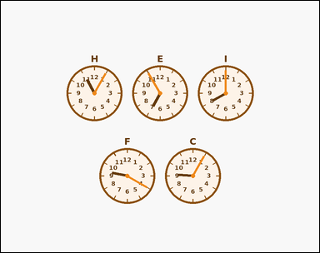 | 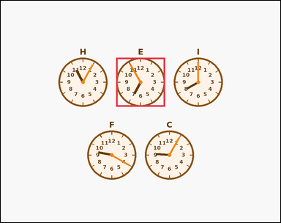 | task_temporal_clock_compare | earliest_time | Work from the labeled clocks shown in the image. Use the labeled clocks to answer the question. Which labeled clock shows the earliest time among the clocks shown? Answer with the single clock label. Return a valid JSON object with keys "evidence" and "answer" in that order. Evidence format: set "evidence" to an array containing exactly one bounding box [x1, y1, x2, y2] for the winning clock face. Answer requirement: set "answer" to the single winning clock label as a string. Example JSON: {"evidence":[[368,94,552,278]],"answer":"B"} | Work from the labeled clocks shown in the image. Use the labeled clocks to answer the question. Which labeled clock shows the earliest time among the clocks shown? Answer with the single clock label. Return a valid JSON object with key "answer". Answer requirement: set "answer" to the single winning clock label as a string. Example JSON: {"answer":"B"} | {"evidence": [[396.0, 195.0, 564.0, 363.0]], "answer": "E"} | [[396.0, 195.0, 564.0, 363.0]] | string | bbox_set | 1.1416952769E+15 | temporal/task_temporal_clock_compare/images/earliest_time/0012.png | temporal/task_temporal_clock_compare/data/earliest_time/0012.json
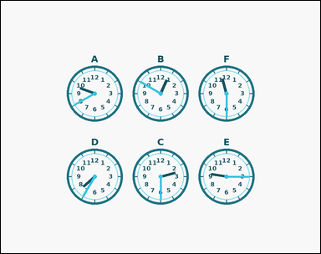 | 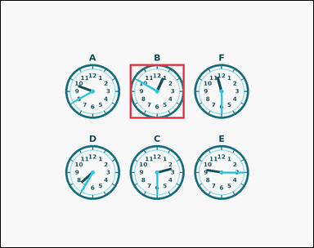 | task_temporal_clock_compare | earliest_time | Work from the labeled clocks shown in the image. Work from the full set of labeled clock faces to answer the question. Which labeled clock shows the earliest time among the clocks shown? Answer with the single clock label. Return a valid JSON object with keys "evidence" and "answer" in that order. Evidence field: set "evidence" to an array containing exactly one bounding box [x1, y1, x2, y2] for the winning clock face. Answer field: set "answer" to the single winning clock label as a string. Example JSON: {"evidence":[[368,94,552,278]],"answer":"B"} | Work from the labeled clocks shown in the image. Work from the full set of labeled clock faces to answer the question. Which labeled clock shows the earliest time among the clocks shown? Answer with the single clock label. Return a valid JSON object with key "answer". Answer requirement: set "answer" to the single winning clock label as a string. Example JSON: {"answer":"B"} | {"evidence": [[396.0, 195.0, 564.0, 363.0]], "answer": "B"} | [[396.0, 195.0, 564.0, 363.0]] | string | bbox_set | 1.5099398412E+15 | temporal/task_temporal_clock_compare/images/earliest_time/0007.png | temporal/task_temporal_clock_compare/data/earliest_time/0007.json
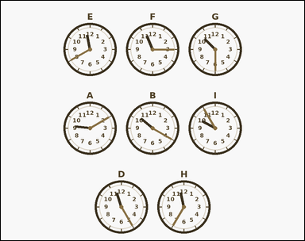 | 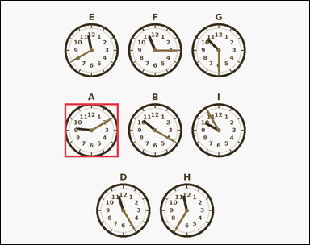 | task_temporal_clock_compare | earliest_time | Work from the labeled clocks shown in the image. Use the labeled clocks to answer the question. Identify the labeled clock with the earliest shown time. Answer with the single clock label. Return a valid JSON object with keys "evidence" and "answer" in that order. Evidence format: set "evidence" to an array containing exactly one bounding box [x1, y1, x2, y2] for the winning clock face. Answer requirement: set "answer" to the single winning clock label as a string. Example JSON: {"evidence":[[368,94,552,278]],"answer":"B"} | Work from the labeled clocks shown in the image. Use the labeled clocks to answer the question. Identify the labeled clock with the earliest shown time. Answer with the single clock label. Return a valid JSON object with key "answer". Answer: set "answer" to the single winning clock label as a string. Example JSON: {"answer":"B"} | {"evidence": [[198.0, 320.0, 366.0, 488.0]], "answer": "A"} | [[198.0, 320.0, 366.0, 488.0]] | string | bbox_set | 1.5921656611E+15 | temporal/task_temporal_clock_compare/images/earliest_time/0001.png | temporal/task_temporal_clock_compare/data/earliest_time/0001.json
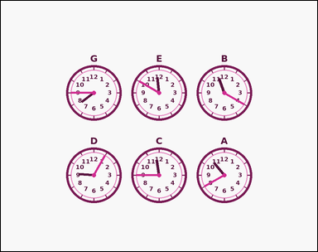 | 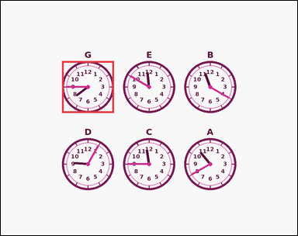 | task_temporal_clock_compare | earliest_time | You are given an image with five to nine labeled outline-style analog clocks arranged in a centered multi-row grid, each with hour numerals and two visible hands. Compare the displayed times across the labeled clocks. Identify the labeled clock with the earliest shown time. Answer with the single clock label. Return a valid JSON object with keys "evidence" and "answer" in that order. Evidence field: set "evidence" to an array containing exactly one bounding box [x1, y1, x2, y2] for the winning clock face. Answer field: set "answer" to the single winning clock label as a string. Example JSON: {"evidence":[[368,94,552,278]],"answer":"B"} | You are given an image with five to nine labeled outline-style analog clocks arranged in a centered multi-row grid, each with hour numerals and two visible hands. Compare the displayed times across the labeled clocks. Identify the labeled clock with the earliest shown time. Answer with the single clock label. Return a valid JSON object with key "answer". Answer format: set "answer" to the single winning clock label as a string. Example JSON: {"answer":"B"} | {"evidence": [[198.0, 195.0, 366.0, 363.0]], "answer": "G"} | [[198.0, 195.0, 366.0, 363.0]] | string | bbox_set | 1.6151753245E+15 | temporal/task_temporal_clock_compare/images/earliest_time/0019.png | temporal/task_temporal_clock_compare/data/earliest_time/0019.json
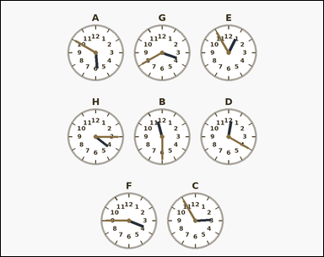 | 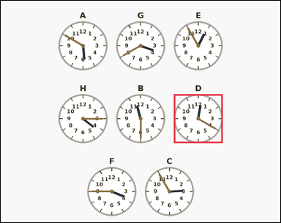 | task_temporal_clock_compare | earliest_time | Use the labeled analog clocks in the image. Read the clock faces and determine the requested label. Identify the labeled clock with the earliest shown time. Answer with the single clock label. Return a valid JSON object with keys "evidence" and "answer" in that order. Evidence requirement: set "evidence" to an array containing exactly one bounding box [x1, y1, x2, y2] for the winning clock face. Answer format: set "answer" to the single winning clock label as a string. Example JSON: {"evidence":[[368,94,552,278]],"answer":"B"} | Use the labeled analog clocks in the image. Read the clock faces and determine the requested label. Identify the labeled clock with the earliest shown time. Answer with the single clock label. Return a valid JSON object with key "answer". Answer: set "answer" to the single winning clock label as a string. Example JSON: {"answer":"B"} | {"evidence": [[594.0, 320.0, 762.0, 488.0]], "answer": "D"} | [[594.0, 320.0, 762.0, 488.0]] | string | bbox_set | 2.9340369614E+15 | temporal/task_temporal_clock_compare/images/earliest_time/0018.png | temporal/task_temporal_clock_compare/data/earliest_time/0018.json
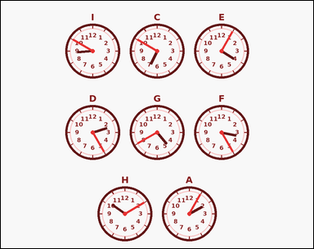 | 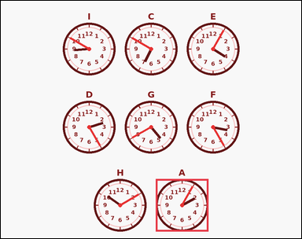 | task_temporal_clock_compare | earliest_time | Look at the labeled clocks in the image. Use the labeled clocks to answer the question. Identify the labeled clock with the earliest shown time. Answer with the single clock label. Return a valid JSON object with keys "evidence" and "answer" in that order. Evidence format: set "evidence" to an array containing exactly one bounding box [x1, y1, x2, y2] for the winning clock face. Answer requirement: set "answer" to the single winning clock label as a string. Example JSON: {"evidence":[[368,94,552,278]],"answer":"B"} | Look at the labeled clocks in the image. Use the labeled clocks to answer the question. Identify the labeled clock with the earliest shown time. Answer with the single clock label. Return a valid JSON object with key "answer". Answer: set "answer" to the single winning clock label as a string. Example JSON: {"answer":"B"} | {"evidence": [[495.0, 570.0, 663.0, 738.0]], "answer": "A"} | [[495.0, 570.0, 663.0, 738.0]] | string | bbox_set | 3.0596795741E+15 | temporal/task_temporal_clock_compare/images/earliest_time/0010.png | temporal/task_temporal_clock_compare/data/earliest_time/0010.json
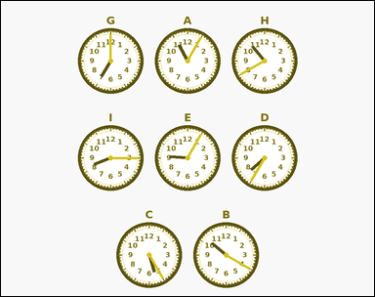 | 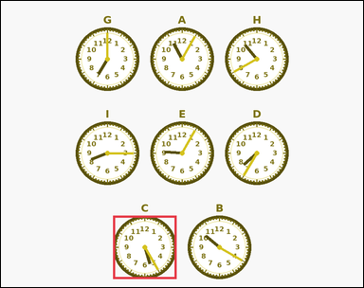 | task_temporal_clock_compare | earliest_time | Work from the labeled clocks shown in the image. Compare the labeled clocks and answer the question. Which labeled clock shows the earliest time? Answer with the single clock label. Return a valid JSON object with keys "evidence" and "answer" in that order. Evidence: set "evidence" to an array containing exactly one bounding box [x1, y1, x2, y2] for the winning clock face. Answer: set "answer" to the single winning clock label as a string. Example JSON: {"evidence":[[368,94,552,278]],"answer":"B"} | Work from the labeled clocks shown in the image. Compare the labeled clocks and answer the question. Which labeled clock shows the earliest time? Answer with the single clock label. Return a valid JSON object with key "answer". Answer field: set "answer" to the single winning clock label as a string. Example JSON: {"answer":"B"} | {"evidence": [[297.0, 570.0, 465.0, 738.0]], "answer": "C"} | [[297.0, 570.0, 465.0, 738.0]] | string | bbox_set | 3.1196154927E+15 | temporal/task_temporal_clock_compare/images/earliest_time/0004.png | temporal/task_temporal_clock_compare/data/earliest_time/0004.json
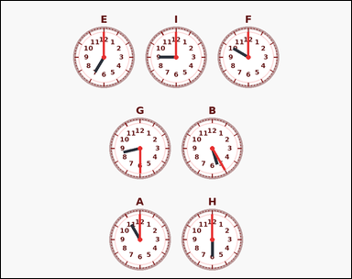 | 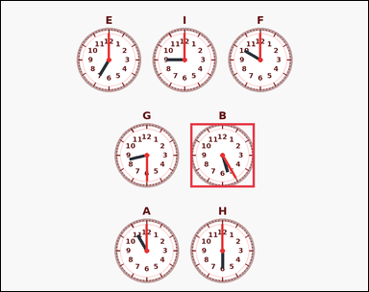 | task_temporal_clock_compare | earliest_time | Work from the labeled clocks shown in the image. Use the labeled clocks to answer the question. Which labeled clock shows the earliest time? Answer with the single clock label. Return a valid JSON object with keys "evidence" and "answer" in that order. Evidence requirement: set "evidence" to an array containing exactly one bounding box [x1, y1, x2, y2] for the winning clock face. Answer format: set "answer" to the single winning clock label as a string. Example JSON: {"evidence":[[368,94,552,278]],"answer":"B"} | Work from the labeled clocks shown in the image. Use the labeled clocks to answer the question. Which labeled clock shows the earliest time? Answer with the single clock label. Return a valid JSON object with key "answer". Answer field: set "answer" to the single winning clock label as a string. Example JSON: {"answer":"B"} | {"evidence": [[495.0, 320.0, 663.0, 488.0]], "answer": "B"} | [[495.0, 320.0, 663.0, 488.0]] | string | bbox_set | 3.2756390517E+15 | temporal/task_temporal_clock_compare/images/earliest_time/0008.png | temporal/task_temporal_clock_compare/data/earliest_time/0008.json
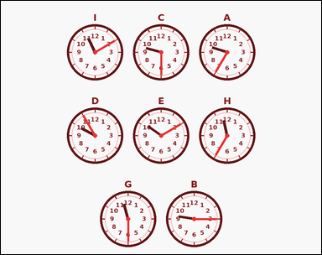 | 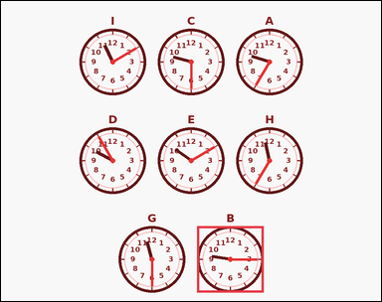 | task_temporal_clock_compare | earliest_time | Look at the labeled clocks in the image. Work from the full set of labeled clock faces to answer the question. Which labeled clock shows the earliest time? Answer with the single clock label. Return a valid JSON object with keys "evidence" and "answer" in that order. Evidence field: set "evidence" to an array containing exactly one bounding box [x1, y1, x2, y2] for the winning clock face. Answer field: set "answer" to the single winning clock label as a string. Example JSON: {"evidence":[[368,94,552,278]],"answer":"B"} | Look at the labeled clocks in the image. Work from the full set of labeled clock faces to answer the question. Which labeled clock shows the earliest time? Answer with the single clock label. Return a valid JSON object with key "answer". Answer field: set "answer" to the single winning clock label as a string. Example JSON: {"answer":"B"} | {"evidence": [[495.0, 570.0, 663.0, 738.0]], "answer": "B"} | [[495.0, 570.0, 663.0, 738.0]] | string | bbox_set | 3.7954501939E+15 | temporal/task_temporal_clock_compare/images/earliest_time/0000.png | temporal/task_temporal_clock_compare/data/earliest_time/0000.json
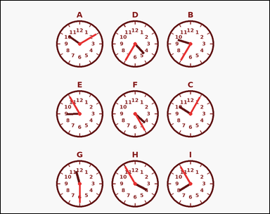 | 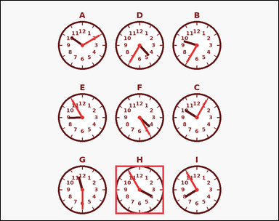 | task_temporal_clock_compare | earliest_time | Use the labeled analog clocks in the image. Compare the displayed times across the labeled clocks. Which labeled clock shows the earliest time? Answer with the single clock label. Return a valid JSON object with keys "evidence" and "answer" in that order. Evidence rule: set "evidence" to an array containing exactly one bounding box [x1, y1, x2, y2] for the winning clock face. Answer rule: set "answer" to the single winning clock label as a string. Example JSON: {"evidence":[[368,94,552,278]],"answer":"B"} | Use the labeled analog clocks in the image. Compare the displayed times across the labeled clocks. Which labeled clock shows the earliest time? Answer with the single clock label. Return a valid JSON object with key "answer". Answer requirement: set "answer" to the single winning clock label as a string. Example JSON: {"answer":"B"} | {"evidence": [[396.0, 570.0, 564.0, 738.0]], "answer": "H"} | [[396.0, 570.0, 564.0, 738.0]] | string | bbox_set | 4.3021246103E+15 | temporal/task_temporal_clock_compare/images/earliest_time/0017.png | temporal/task_temporal_clock_compare/data/earliest_time/0017.json
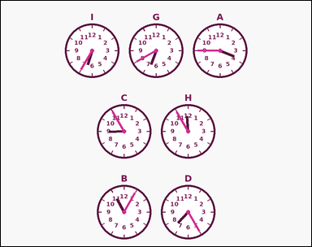 | 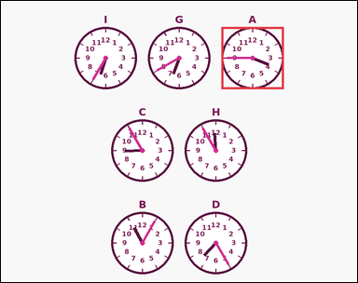 | task_temporal_clock_compare | earliest_time | Use the labeled analog clocks in the image. Read the clock faces and determine the requested label. Find the clock showing the earliest time. Answer with the single clock label. Return a valid JSON object with keys "evidence" and "answer" in that order. Evidence format: set "evidence" to an array containing exactly one bounding box [x1, y1, x2, y2] for the winning clock face. Answer requirement: set "answer" to the single winning clock label as a string. Example JSON: {"evidence":[[368,94,552,278]],"answer":"B"} | Use the labeled analog clocks in the image. Read the clock faces and determine the requested label. Find the clock showing the earliest time. Answer with the single clock label. Return a valid JSON object with key "answer". Answer format: set "answer" to the single winning clock label as a string. Example JSON: {"answer":"B"} | {"evidence": [[594.0, 70.0, 762.0, 238.0]], "answer": "A"} | [[594.0, 70.0, 762.0, 238.0]] | string | bbox_set | 4.5770309915E+15 | temporal/task_temporal_clock_compare/images/earliest_time/0022.png | temporal/task_temporal_clock_compare/data/earliest_time/0022.json
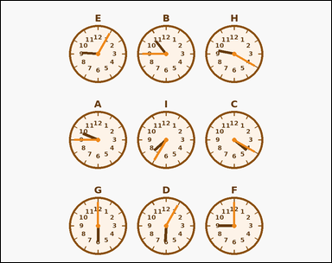 | 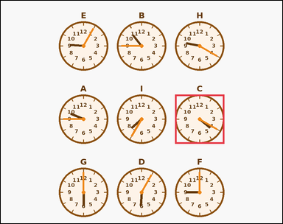 | task_temporal_clock_compare | earliest_time | Work from the labeled clocks shown in the image. Compare the labeled clocks and answer the question. Which labeled clock shows the earliest time among the clocks shown? Answer with the single clock label. Return a valid JSON object with keys "evidence" and "answer" in that order. Evidence: set "evidence" to an array containing exactly one bounding box [x1, y1, x2, y2] for the winning clock face. Answer: set "answer" to the single winning clock label as a string. Example JSON: {"evidence":[[368,94,552,278]],"answer":"B"} | Work from the labeled clocks shown in the image. Compare the labeled clocks and answer the question. Which labeled clock shows the earliest time among the clocks shown? Answer with the single clock label. Return a valid JSON object with key "answer". Answer rule: set "answer" to the single winning clock label as a string. Example JSON: {"answer":"B"} | {"evidence": [[594.0, 320.0, 762.0, 488.0]], "answer": "C"} | [[594.0, 320.0, 762.0, 488.0]] | string | bbox_set | 4.9576807431E+15 | temporal/task_temporal_clock_compare/images/earliest_time/0024.png | temporal/task_temporal_clock_compare/data/earliest_time/0024.json
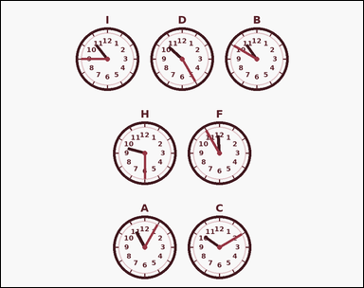 | 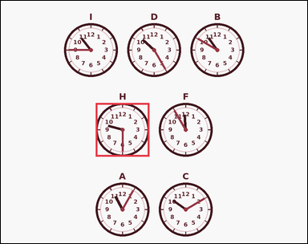 | task_temporal_clock_compare | earliest_time | The image shows five to nine labeled outline-style analog clocks arranged in a centered multi-row grid, each with hour numerals and two visible hands. Work from the full set of labeled clock faces to answer the question. Identify the labeled clock with the earliest shown time. Answer with the single clock label. Return a valid JSON object with keys "evidence" and "answer" in that order. Evidence format: set "evidence" to an array containing exactly one bounding box [x1, y1, x2, y2] for the winning clock face. Answer requirement: set "answer" to the single winning clock label as a string. Example JSON: {"evidence":[[368,94,552,278]],"answer":"B"} | The image shows five to nine labeled outline-style analog clocks arranged in a centered multi-row grid, each with hour numerals and two visible hands. Work from the full set of labeled clock faces to answer the question. Identify the labeled clock with the earliest shown time. Answer with the single clock label. Return a valid JSON object with key "answer". Answer: set "answer" to the single winning clock label as a string. Example JSON: {"answer":"B"} | {"evidence": [[297.0, 320.0, 465.0, 488.0]], "answer": "H"} | [[297.0, 320.0, 465.0, 488.0]] | string | bbox_set | 5.3062685917E+15 | temporal/task_temporal_clock_compare/images/earliest_time/0015.png | temporal/task_temporal_clock_compare/data/earliest_time/0015.json
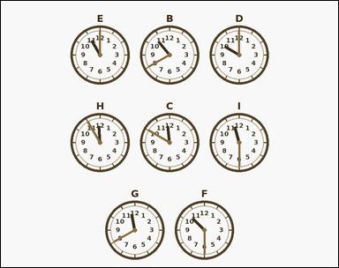 | 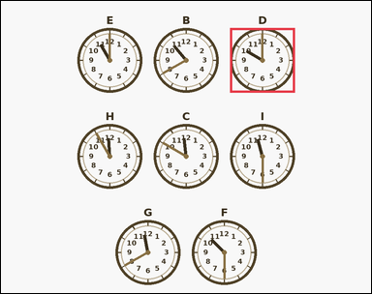 | task_temporal_clock_compare | earliest_time | The image shows five to nine labeled outline-style analog clocks arranged in a centered multi-row grid, each with hour numerals and two visible hands. Compare the labeled clocks and answer the question. Which labeled clock shows the earliest time among the clocks shown? Answer with the single clock label. Return a valid JSON object with keys "evidence" and "answer" in that order. Evidence: set "evidence" to an array containing exactly one bounding box [x1, y1, x2, y2] for the winning clock face. Answer: set "answer" to the single winning clock label as a string. Example JSON: {"evidence":[[368,94,552,278]],"answer":"B"} | The image shows five to nine labeled outline-style analog clocks arranged in a centered multi-row grid, each with hour numerals and two visible hands. Compare the labeled clocks and answer the question. Which labeled clock shows the earliest time among the clocks shown? Answer with the single clock label. Return a valid JSON object with key "answer". Answer format: set "answer" to the single winning clock label as a string. Example JSON: {"answer":"B"} | {"evidence": [[594.0, 70.0, 762.0, 238.0]], "answer": "D"} | [[594.0, 70.0, 762.0, 238.0]] | string | bbox_set | 5.4327188348E+15 | temporal/task_temporal_clock_compare/images/earliest_time/0013.png | temporal/task_temporal_clock_compare/data/earliest_time/0013.json
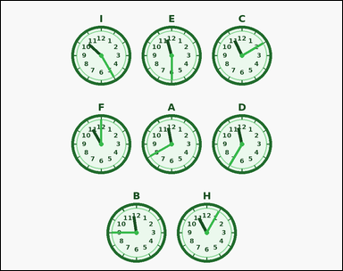 | 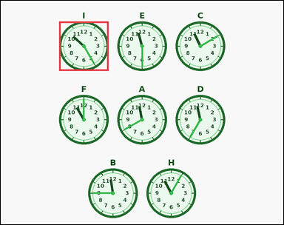 | task_temporal_clock_compare | earliest_time | Look at the labeled clocks in the image. Use the labeled clocks to answer the question. Find the clock showing the earliest time. Answer with the single clock label. Return a valid JSON object with keys "evidence" and "answer" in that order. Evidence field: set "evidence" to an array containing exactly one bounding box [x1, y1, x2, y2] for the winning clock face. Answer field: set "answer" to the single winning clock label as a string. Example JSON: {"evidence":[[368,94,552,278]],"answer":"B"} | Look at the labeled clocks in the image. Use the labeled clocks to answer the question. Find the clock showing the earliest time. Answer with the single clock label. Return a valid JSON object with key "answer". Answer requirement: set "answer" to the single winning clock label as a string. Example JSON: {"answer":"B"} | {"evidence": [[198.0, 70.0, 366.0, 238.0]], "answer": "I"} | [[198.0, 70.0, 366.0, 238.0]] | string | bbox_set | 5.9932561204E+15 | temporal/task_temporal_clock_compare/images/earliest_time/0003.png | temporal/task_temporal_clock_compare/data/earliest_time/0003.json
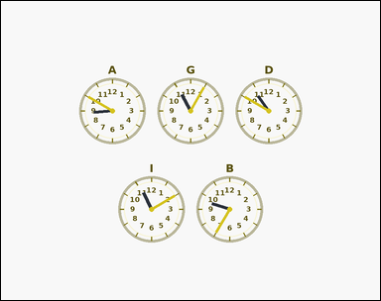 | 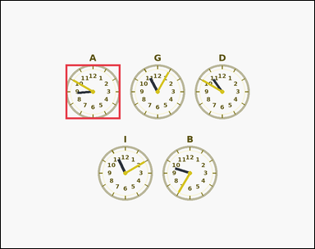 | task_temporal_clock_compare | earliest_time | The image shows five to nine labeled outline-style analog clocks arranged in a centered multi-row grid, each with hour numerals and two visible hands. Use the labeled clocks to answer the question. Among the labeled clocks, which one shows the earliest time? Answer with the single clock label. Return a valid JSON object with keys "evidence" and "answer" in that order. Evidence: set "evidence" to an array containing exactly one bounding box [x1, y1, x2, y2] for the winning clock face. Answer: set "answer" to the single winning clock label as a string. Example JSON: {"evidence":[[368,94,552,278]],"answer":"B"} | The image shows five to nine labeled outline-style analog clocks arranged in a centered multi-row grid, each with hour numerals and two visible hands. Use the labeled clocks to answer the question. Among the labeled clocks, which one shows the earliest time? Answer with the single clock label. Return a valid JSON object with key "answer". Answer rule: set "answer" to the single winning clock label as a string. Example JSON: {"answer":"B"} | {"evidence": [[198.0, 195.0, 366.0, 363.0]], "answer": "A"} | [[198.0, 195.0, 366.0, 363.0]] | string | bbox_set | 6.9935653913E+15 | temporal/task_temporal_clock_compare/images/earliest_time/0021.png | temporal/task_temporal_clock_compare/data/earliest_time/0021.json
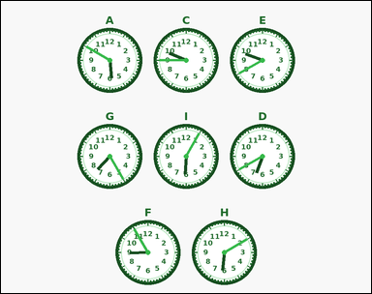 | 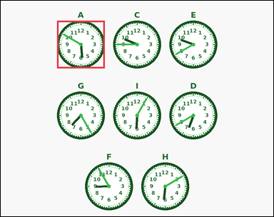 | task_temporal_clock_compare | earliest_time | Work from the labeled clocks shown in the image. Work from the full set of labeled clock faces to answer the question. Among the labeled clocks, which one shows the earliest time? Answer with the single clock label. Return a valid JSON object with keys "evidence" and "answer" in that order. Evidence field: set "evidence" to an array containing exactly one bounding box [x1, y1, x2, y2] for the winning clock face. Answer field: set "answer" to the single winning clock label as a string. Example JSON: {"evidence":[[368,94,552,278]],"answer":"B"} | Work from the labeled clocks shown in the image. Work from the full set of labeled clock faces to answer the question. Among the labeled clocks, which one shows the earliest time? Answer with the single clock label. Return a valid JSON object with key "answer". Answer: set "answer" to the single winning clock label as a string. Example JSON: {"answer":"B"} | {"evidence": [[198.0, 70.0, 366.0, 238.0]], "answer": "A"} | [[198.0, 70.0, 366.0, 238.0]] | string | bbox_set | 7.005618718E+15 | temporal/task_temporal_clock_compare/images/earliest_time/0016.png | temporal/task_temporal_clock_compare/data/earliest_time/0016.json
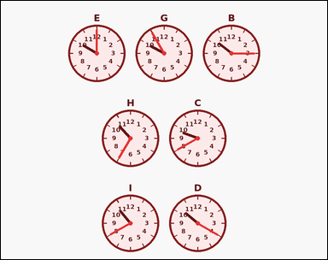 | 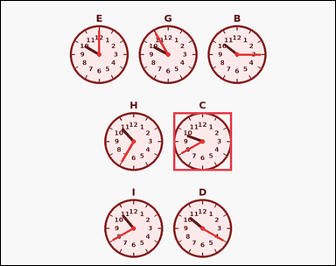 | task_temporal_clock_compare | earliest_time | You are given an image with five to nine labeled analog clocks arranged in a clean centered multi-row grid, each with hour numerals and two visible hands. Use the labeled clocks to answer the question. Find the clock showing the earliest time. Answer with the single clock label. Return a valid JSON object with keys "evidence" and "answer" in that order. Evidence rule: set "evidence" to an array containing exactly one bounding box [x1, y1, x2, y2] for the winning clock face. Answer rule: set "answer" to the single winning clock label as a string. Example JSON: {"evidence":[[368,94,552,278]],"answer":"B"} | You are given an image with five to nine labeled analog clocks arranged in a clean centered multi-row grid, each with hour numerals and two visible hands. Use the labeled clocks to answer the question. Find the clock showing the earliest time. Answer with the single clock label. Return a valid JSON object with key "answer". Answer rule: set "answer" to the single winning clock label as a string. Example JSON: {"answer":"B"} | {"evidence": [[495.0, 320.0, 663.0, 488.0]], "answer": "C"} | [[495.0, 320.0, 663.0, 488.0]] | string | bbox_set | 7.6405021414E+15 | temporal/task_temporal_clock_compare/images/earliest_time/0011.png | temporal/task_temporal_clock_compare/data/earliest_time/0011.json
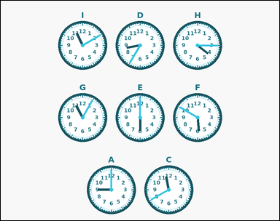 | 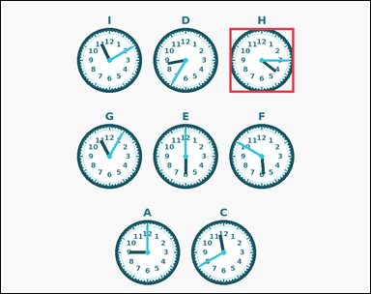 | task_temporal_clock_compare | earliest_time | You are given an image with five to nine labeled analog clocks arranged in a centered multi-row grid, each with hour numerals, minute ticks, and two visible hands. Compare the displayed times across the labeled clocks. Which labeled clock shows the earliest time among the clocks shown? Answer with the single clock label. Return a valid JSON object with keys "evidence" and "answer" in that order. Evidence format: set "evidence" to an array containing exactly one bounding box [x1, y1, x2, y2] for the winning clock face. Answer requirement: set "answer" to the single winning clock label as a string. Example JSON: {"evidence":[[368,94,552,278]],"answer":"B"} | You are given an image with five to nine labeled analog clocks arranged in a centered multi-row grid, each with hour numerals, minute ticks, and two visible hands. Compare the displayed times across the labeled clocks. Which labeled clock shows the earliest time among the clocks shown? Answer with the single clock label. Return a valid JSON object with key "answer". Answer format: set "answer" to the single winning clock label as a string. Example JSON: {"answer":"B"} | {"evidence": [[594.0, 70.0, 762.0, 238.0]], "answer": "H"} | [[594.0, 70.0, 762.0, 238.0]] | string | bbox_set | 7.6461611588E+15 | temporal/task_temporal_clock_compare/images/earliest_time/0014.png | temporal/task_temporal_clock_compare/data/earliest_time/0014.json
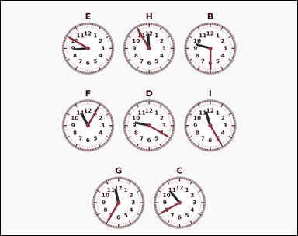 | 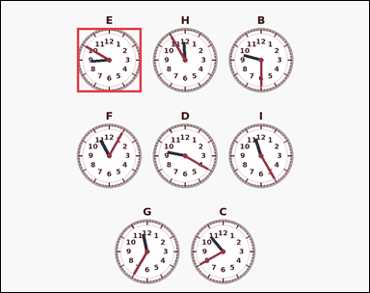 | task_temporal_clock_compare | earliest_time | Look at the labeled clocks in the image. Compare the displayed times across the labeled clocks. Find the clock showing the earliest time. Answer with the single clock label. Return a valid JSON object with keys "evidence" and "answer" in that order. Evidence format: set "evidence" to an array containing exactly one bounding box [x1, y1, x2, y2] for the winning clock face. Answer requirement: set "answer" to the single winning clock label as a string. Example JSON: {"evidence":[[368,94,552,278]],"answer":"B"} | Look at the labeled clocks in the image. Compare the displayed times across the labeled clocks. Find the clock showing the earliest time. Answer with the single clock label. Return a valid JSON object with key "answer". Answer requirement: set "answer" to the single winning clock label as a string. Example JSON: {"answer":"B"} | {"evidence": [[198.0, 70.0, 366.0, 238.0]], "answer": "E"} | [[198.0, 70.0, 366.0, 238.0]] | string | bbox_set | 7.7640654364E+15 | temporal/task_temporal_clock_compare/images/earliest_time/0002.png | temporal/task_temporal_clock_compare/data/earliest_time/0002.json
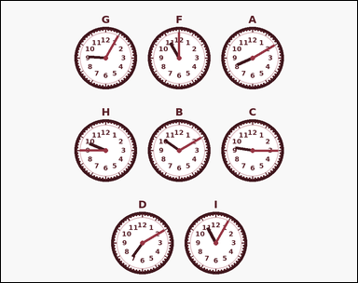 | 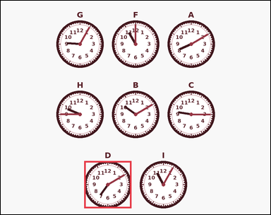 | task_temporal_clock_compare | earliest_time | The image shows five to nine labeled analog clocks arranged in a centered multi-row grid, each with hour numerals, minute ticks, and two visible hands. Work from the full set of labeled clock faces to answer the question. Among the labeled clocks, which one shows the earliest time? Answer with the single clock label. Return a valid JSON object with keys "evidence" and "answer" in that order. Evidence format: set "evidence" to an array containing exactly one bounding box [x1, y1, x2, y2] for the winning clock face. Answer requirement: set "answer" to the single winning clock label as a string. Example JSON: {"evidence":[[368,94,552,278]],"answer":"B"} | The image shows five to nine labeled analog clocks arranged in a centered multi-row grid, each with hour numerals, minute ticks, and two visible hands. Work from the full set of labeled clock faces to answer the question. Among the labeled clocks, which one shows the earliest time? Answer with the single clock label. Return a valid JSON object with key "answer". Answer rule: set "answer" to the single winning clock label as a string. Example JSON: {"answer":"B"} | {"evidence": [[297.0, 570.0, 465.0, 738.0]], "answer": "D"} | [[297.0, 570.0, 465.0, 738.0]] | string | bbox_set | 7.8805203884E+15 | temporal/task_temporal_clock_compare/images/earliest_time/0005.png | temporal/task_temporal_clock_compare/data/earliest_time/0005.json
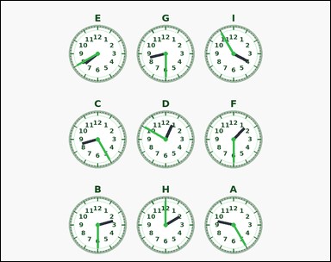 | 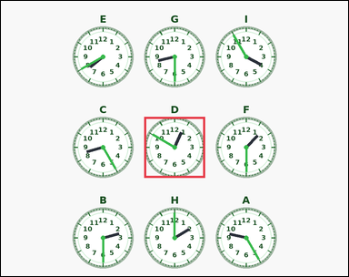 | task_temporal_clock_compare | earliest_time | The image shows five to nine labeled analog clocks arranged in a centered multi-row grid, each with hour numerals, minute ticks, and two visible hands. Use the labeled clocks to answer the question. Find the clock showing the earliest time. Answer with the single clock label. Return a valid JSON object with keys "evidence" and "answer" in that order. Evidence: set "evidence" to an array containing exactly one bounding box [x1, y1, x2, y2] for the winning clock face. Answer: set "answer" to the single winning clock label as a string. Example JSON: {"evidence":[[368,94,552,278]],"answer":"B"} | The image shows five to nine labeled analog clocks arranged in a centered multi-row grid, each with hour numerals, minute ticks, and two visible hands. Use the labeled clocks to answer the question. Find the clock showing the earliest time. Answer with the single clock label. Return a valid JSON object with key "answer". Answer: set "answer" to the single winning clock label as a string. Example JSON: {"answer":"B"} | {"evidence": [[396.0, 320.0, 564.0, 488.0]], "answer": "D"} | [[396.0, 320.0, 564.0, 488.0]] | string | bbox_set | 8.3885750692E+15 | temporal/task_temporal_clock_compare/images/earliest_time/0009.png | temporal/task_temporal_clock_compare/data/earliest_time/0009.json
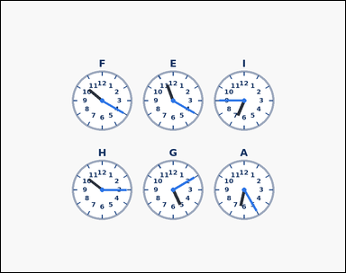 | 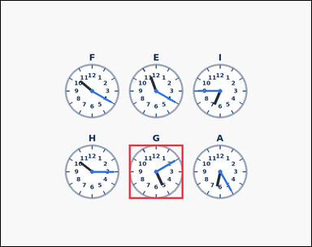 | task_temporal_clock_compare | earliest_time | Look at the labeled clocks in the image. Use the labeled clocks to answer the question. Find the clock showing the earliest time. Answer with the single clock label. Return a valid JSON object with keys "evidence" and "answer" in that order. Evidence: set "evidence" to an array containing exactly one bounding box [x1, y1, x2, y2] for the winning clock face. Answer: set "answer" to the single winning clock label as a string. Example JSON: {"evidence":[[368,94,552,278]],"answer":"B"} | Look at the labeled clocks in the image. Use the labeled clocks to answer the question. Find the clock showing the earliest time. Answer with the single clock label. Return a valid JSON object with key "answer". Answer field: set "answer" to the single winning clock label as a string. Example JSON: {"answer":"B"} | {"evidence": [[396.0, 445.0, 564.0, 613.0]], "answer": "G"} | [[396.0, 445.0, 564.0, 613.0]] | string | bbox_set | 8.4538465294E+15 | temporal/task_temporal_clock_compare/images/earliest_time/0020.png | temporal/task_temporal_clock_compare/data/earliest_time/0020.json
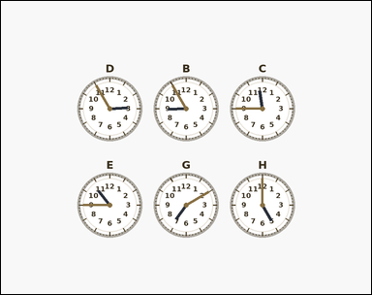 | 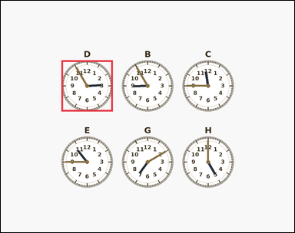 | task_temporal_clock_compare | earliest_time | Look at the labeled clocks in the image. Work from the full set of labeled clock faces to answer the question. Which labeled clock shows the earliest time? Answer with the single clock label. Return a valid JSON object with keys "evidence" and "answer" in that order. Evidence requirement: set "evidence" to an array containing exactly one bounding box [x1, y1, x2, y2] for the winning clock face. Answer format: set "answer" to the single winning clock label as a string. Example JSON: {"evidence":[[368,94,552,278]],"answer":"B"} | Look at the labeled clocks in the image. Work from the full set of labeled clock faces to answer the question. Which labeled clock shows the earliest time? Answer with the single clock label. Return a valid JSON object with key "answer". Answer format: set "answer" to the single winning clock label as a string. Example JSON: {"answer":"B"} | {"evidence": [[198.0, 195.0, 366.0, 363.0]], "answer": "D"} | [[198.0, 195.0, 366.0, 363.0]] | string | bbox_set | 8.6209155568E+15 | temporal/task_temporal_clock_compare/images/earliest_time/0006.png | temporal/task_temporal_clock_compare/data/earliest_time/0006.json
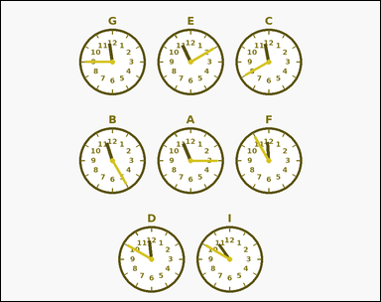 | 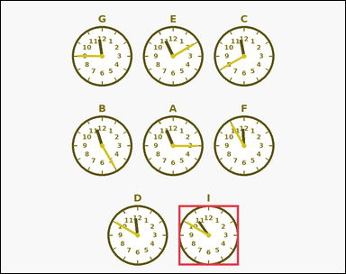 | task_temporal_clock_compare | earliest_time | The image shows five to nine labeled analog clocks arranged in a clean centered multi-row grid, each with hour numerals and two visible hands. Work from the full set of labeled clock faces to answer the question. Which labeled clock shows the earliest time? Answer with the single clock label. Return a valid JSON object with keys "evidence" and "answer" in that order. Evidence: set "evidence" to an array containing exactly one bounding box [x1, y1, x2, y2] for the winning clock face. Answer: set "answer" to the single winning clock label as a string. Example JSON: {"evidence":[[368,94,552,278]],"answer":"B"} | The image shows five to nine labeled analog clocks arranged in a clean centered multi-row grid, each with hour numerals and two visible hands. Work from the full set of labeled clock faces to answer the question. Which labeled clock shows the earliest time? Answer with the single clock label. Return a valid JSON object with key "answer". Answer format: set "answer" to the single winning clock label as a string. Example JSON: {"answer":"B"} | {"evidence": [[495.0, 570.0, 663.0, 738.0]], "answer": "I"} | [[495.0, 570.0, 663.0, 738.0]] | string | bbox_set | 8.9141629908E+15 | temporal/task_temporal_clock_compare/images/earliest_time/0023.png | temporal/task_temporal_clock_compare/data/earliest_time/0023.json

latest_time
image | evidence_image | task | task_variant | prompt | prompt_answer_only | answer | answer_evidence | answer_type | evidence_type | instance_seed | image_path | data_path
 |  | task_temporal_clock_compare | latest_time | You are given an image with five to nine labeled analog clocks arranged in a centered multi-row grid, each with hour numerals, minute ticks, and two visible hands. Read the clock faces and determine the requested label. Which labeled clock shows the latest time among the clocks shown? Answer with the single clock label. Return a valid JSON object with keys "evidence" and "answer" in that order. Evidence field: set "evidence" to an array containing exactly one bounding box [x1, y1, x2, y2] for the winning clock face. Answer field: set "answer" to the single winning clock label as a string. Example JSON: {"evidence":[[368,94,552,278]],"answer":"E"} | You are given an image with five to nine labeled analog clocks arranged in a centered multi-row grid, each with hour numerals, minute ticks, and two visible hands. Read the clock faces and determine the requested label. Which labeled clock shows the latest time among the clocks shown? Answer with the single clock label. Return a valid JSON object with key "answer". Answer field: set "answer" to the single winning clock label as a string. Example JSON: {"answer":"E"} | {"evidence": [[198.0, 195.0, 366.0, 363.0]], "answer": "H"} | [[198.0, 195.0, 366.0, 363.0]] | string | bbox_set | 153675995873273 | temporal/task_temporal_clock_compare/images/latest_time/0010.png | temporal/task_temporal_clock_compare/data/latest_time/0010.json
 |  | task_temporal_clock_compare | latest_time | You are given an image with five to nine labeled outline-style analog clocks arranged in a centered multi-row grid, each with hour numerals and two visible hands. Work from the full set of labeled clock faces to answer the question. Identify the labeled clock with the latest shown time. Answer with the single clock label. Return a valid JSON object with keys "evidence" and "answer" in that order. Evidence rule: set "evidence" to an array containing exactly one bounding box [x1, y1, x2, y2] for the winning clock face. Answer rule: set "answer" to the single winning clock label as a string. Example JSON: {"evidence":[[368,94,552,278]],"answer":"E"} | You are given an image with five to nine labeled outline-style analog clocks arranged in a centered multi-row grid, each with hour numerals and two visible hands. Work from the full set of labeled clock faces to answer the question. Identify the labeled clock with the latest shown time. Answer with the single clock label. Return a valid JSON object with key "answer". Answer requirement: set "answer" to the single winning clock label as a string. Example JSON: {"answer":"E"} | {"evidence": [[594.0, 70.0, 762.0, 238.0]], "answer": "F"} | [[594.0, 70.0, 762.0, 238.0]] | string | bbox_set | 247089328096986 | temporal/task_temporal_clock_compare/images/latest_time/0004.png | temporal/task_temporal_clock_compare/data/latest_time/0004.json
 |  | task_temporal_clock_compare | latest_time | You are given an image with five to nine labeled analog clocks arranged in a clean centered multi-row grid, each with hour numerals and two visible hands. Compare the labeled clocks and answer the question. Find the clock showing the latest time. Answer with the single clock label. Return a valid JSON object with keys "evidence" and "answer" in that order. Evidence requirement: set "evidence" to an array containing exactly one bounding box [x1, y1, x2, y2] for the winning clock face. Answer format: set "answer" to the single winning clock label as a string. Example JSON: {"evidence":[[368,94,552,278]],"answer":"E"} | You are given an image with five to nine labeled analog clocks arranged in a clean centered multi-row grid, each with hour numerals and two visible hands. Compare the labeled clocks and answer the question. Find the clock showing the latest time. Answer with the single clock label. Return a valid JSON object with key "answer". Answer field: set "answer" to the single winning clock label as a string. Example JSON: {"answer":"E"} | {"evidence": [[198.0, 195.0, 366.0, 363.0]], "answer": "C"} | [[198.0, 195.0, 366.0, 363.0]] | string | bbox_set | 700869392980746 | temporal/task_temporal_clock_compare/images/latest_time/0013.png | temporal/task_temporal_clock_compare/data/latest_time/0013.json
 |  | task_temporal_clock_compare | latest_time | The image shows five to nine labeled outline-style analog clocks arranged in a centered multi-row grid, each with hour numerals and two visible hands. Read the clock faces and determine the requested label. Among the labeled clocks, which one shows the latest time? Answer with the single clock label. Return a valid JSON object with keys "evidence" and "answer" in that order. Evidence format: set "evidence" to an array containing exactly one bounding box [x1, y1, x2, y2] for the winning clock face. Answer requirement: set "answer" to the single winning clock label as a string. Example JSON: {"evidence":[[368,94,552,278]],"answer":"E"} | The image shows five to nine labeled outline-style analog clocks arranged in a centered multi-row grid, each with hour numerals and two visible hands. Read the clock faces and determine the requested label. Among the labeled clocks, which one shows the latest time? Answer with the single clock label. Return a valid JSON object with key "answer". Answer format: set "answer" to the single winning clock label as a string. Example JSON: {"answer":"E"} | {"evidence": [[396.0, 570.0, 564.0, 738.0]], "answer": "G"} | [[396.0, 570.0, 564.0, 738.0]] | string | bbox_set | 1.0941277767E+15 | temporal/task_temporal_clock_compare/images/latest_time/0016.png | temporal/task_temporal_clock_compare/data/latest_time/0016.json
 |  | task_temporal_clock_compare | latest_time | Use the labeled analog clocks in the image. Compare the displayed times across the labeled clocks. Which labeled clock shows the latest time? Answer with the single clock label. Return a valid JSON object with keys "evidence" and "answer" in that order. Evidence format: set "evidence" to an array containing exactly one bounding box [x1, y1, x2, y2] for the winning clock face. Answer requirement: set "answer" to the single winning clock label as a string. Example JSON: {"evidence":[[368,94,552,278]],"answer":"E"} | Use the labeled analog clocks in the image. Compare the displayed times across the labeled clocks. Which labeled clock shows the latest time? Answer with the single clock label. Return a valid JSON object with key "answer". Answer requirement: set "answer" to the single winning clock label as a string. Example JSON: {"answer":"E"} | {"evidence": [[594.0, 70.0, 762.0, 238.0]], "answer": "E"} | [[594.0, 70.0, 762.0, 238.0]] | string | bbox_set | 1.1635384445E+15 | temporal/task_temporal_clock_compare/images/latest_time/0018.png | temporal/task_temporal_clock_compare/data/latest_time/0018.json
 |  | task_temporal_clock_compare | latest_time | The image shows five to nine labeled outline-style analog clocks arranged in a centered multi-row grid, each with hour numerals and two visible hands. Work from the full set of labeled clock faces to answer the question. Among the labeled clocks, which one shows the latest time? Answer with the single clock label. Return a valid JSON object with keys "evidence" and "answer" in that order. Evidence format: set "evidence" to an array containing exactly one bounding box [x1, y1, x2, y2] for the winning clock face. Answer requirement: set "answer" to the single winning clock label as a string. Example JSON: {"evidence":[[368,94,552,278]],"answer":"E"} | The image shows five to nine labeled outline-style analog clocks arranged in a centered multi-row grid, each with hour numerals and two visible hands. Work from the full set of labeled clock faces to answer the question. Among the labeled clocks, which one shows the latest time? Answer with the single clock label. Return a valid JSON object with key "answer". Answer requirement: set "answer" to the single winning clock label as a string. Example JSON: {"answer":"E"} | {"evidence": [[396.0, 195.0, 564.0, 363.0]], "answer": "F"} | [[396.0, 195.0, 564.0, 363.0]] | string | bbox_set | 1.3705096509E+15 | temporal/task_temporal_clock_compare/images/latest_time/0002.png | temporal/task_temporal_clock_compare/data/latest_time/0002.json
 |  | task_temporal_clock_compare | latest_time | You are given an image with five to nine labeled analog clocks arranged in a centered multi-row grid, each with hour numerals, minute ticks, and two visible hands. Use the labeled clocks to answer the question. Find the clock showing the latest time. Answer with the single clock label. Return a valid JSON object with keys "evidence" and "answer" in that order. Evidence format: set "evidence" to an array containing exactly one bounding box [x1, y1, x2, y2] for the winning clock face. Answer requirement: set "answer" to the single winning clock label as a string. Example JSON: {"evidence":[[368,94,552,278]],"answer":"E"} | You are given an image with five to nine labeled analog clocks arranged in a centered multi-row grid, each with hour numerals, minute ticks, and two visible hands. Use the labeled clocks to answer the question. Find the clock showing the latest time. Answer with the single clock label. Return a valid JSON object with key "answer". Answer field: set "answer" to the single winning clock label as a string. Example JSON: {"answer":"E"} | {"evidence": [[594.0, 70.0, 762.0, 238.0]], "answer": "B"} | [[594.0, 70.0, 762.0, 238.0]] | string | bbox_set | 1.9564690403E+15 | temporal/task_temporal_clock_compare/images/latest_time/0019.png | temporal/task_temporal_clock_compare/data/latest_time/0019.json
 |  | task_temporal_clock_compare | latest_time | Use the labeled analog clocks in the image. Read the clock faces and determine the requested label. Identify the labeled clock with the latest shown time. Answer with the single clock label. Return a valid JSON object with keys "evidence" and "answer" in that order. Evidence requirement: set "evidence" to an array containing exactly one bounding box [x1, y1, x2, y2] for the winning clock face. Answer format: set "answer" to the single winning clock label as a string. Example JSON: {"evidence":[[368,94,552,278]],"answer":"E"} | Use the labeled analog clocks in the image. Read the clock faces and determine the requested label. Identify the labeled clock with the latest shown time. Answer with the single clock label. Return a valid JSON object with key "answer". Answer field: set "answer" to the single winning clock label as a string. Example JSON: {"answer":"E"} | {"evidence": [[495.0, 570.0, 663.0, 738.0]], "answer": "F"} | [[495.0, 570.0, 663.0, 738.0]] | string | bbox_set | 2.3302023544E+15 | temporal/task_temporal_clock_compare/images/latest_time/0006.png | temporal/task_temporal_clock_compare/data/latest_time/0006.json
 |  | task_temporal_clock_compare | latest_time | You are given an image with five to nine labeled outline-style analog clocks arranged in a centered multi-row grid, each with hour numerals and two visible hands. Compare the displayed times across the labeled clocks. Identify the labeled clock with the latest shown time. Answer with the single clock label. Return a valid JSON object with keys "evidence" and "answer" in that order. Evidence: set "evidence" to an array containing exactly one bounding box [x1, y1, x2, y2] for the winning clock face. Answer: set "answer" to the single winning clock label as a string. Example JSON: {"evidence":[[368,94,552,278]],"answer":"E"} | You are given an image with five to nine labeled outline-style analog clocks arranged in a centered multi-row grid, each with hour numerals and two visible hands. Compare the displayed times across the labeled clocks. Identify the labeled clock with the latest shown time. Answer with the single clock label. Return a valid JSON object with key "answer". Answer field: set "answer" to the single winning clock label as a string. Example JSON: {"answer":"E"} | {"evidence": [[594.0, 445.0, 762.0, 613.0]], "answer": "D"} | [[594.0, 445.0, 762.0, 613.0]] | string | bbox_set | 2.5244932458E+15 | temporal/task_temporal_clock_compare/images/latest_time/0022.png | temporal/task_temporal_clock_compare/data/latest_time/0022.json
 |  | task_temporal_clock_compare | latest_time | Look at the labeled clocks in the image. Work from the full set of labeled clock faces to answer the question. Which labeled clock shows the latest time among the clocks shown? Answer with the single clock label. Return a valid JSON object with keys "evidence" and "answer" in that order. Evidence requirement: set "evidence" to an array containing exactly one bounding box [x1, y1, x2, y2] for the winning clock face. Answer format: set "answer" to the single winning clock label as a string. Example JSON: {"evidence":[[368,94,552,278]],"answer":"E"} | Look at the labeled clocks in the image. Work from the full set of labeled clock faces to answer the question. Which labeled clock shows the latest time among the clocks shown? Answer with the single clock label. Return a valid JSON object with key "answer". Answer: set "answer" to the single winning clock label as a string. Example JSON: {"answer":"E"} | {"evidence": [[396.0, 70.0, 564.0, 238.0]], "answer": "E"} | [[396.0, 70.0, 564.0, 238.0]] | string | bbox_set | 3.1865789032E+15 | temporal/task_temporal_clock_compare/images/latest_time/0000.png | temporal/task_temporal_clock_compare/data/latest_time/0000.json
 |  | task_temporal_clock_compare | latest_time | You are given an image with five to nine labeled analog clocks arranged in a centered multi-row grid, each with hour numerals, minute ticks, and two visible hands. Compare the labeled clocks and answer the question. Find the clock showing the latest time. Answer with the single clock label. Return a valid JSON object with keys "evidence" and "answer" in that order. Evidence: set "evidence" to an array containing exactly one bounding box [x1, y1, x2, y2] for the winning clock face. Answer: set "answer" to the single winning clock label as a string. Example JSON: {"evidence":[[368,94,552,278]],"answer":"E"} | You are given an image with five to nine labeled analog clocks arranged in a centered multi-row grid, each with hour numerals, minute ticks, and two visible hands. Compare the labeled clocks and answer the question. Find the clock showing the latest time. Answer with the single clock label. Return a valid JSON object with key "answer". Answer: set "answer" to the single winning clock label as a string. Example JSON: {"answer":"E"} | {"evidence": [[198.0, 70.0, 366.0, 238.0]], "answer": "D"} | [[198.0, 70.0, 366.0, 238.0]] | string | bbox_set | 3.7885398505E+15 | temporal/task_temporal_clock_compare/images/latest_time/0007.png | temporal/task_temporal_clock_compare/data/latest_time/0007.json
 |  | task_temporal_clock_compare | latest_time | Use the labeled analog clocks in the image. Compare the displayed times across the labeled clocks. Find the clock showing the latest time. Answer with the single clock label. Return a valid JSON object with keys "evidence" and "answer" in that order. Evidence rule: set "evidence" to an array containing exactly one bounding box [x1, y1, x2, y2] for the winning clock face. Answer rule: set "answer" to the single winning clock label as a string. Example JSON: {"evidence":[[368,94,552,278]],"answer":"E"} | Use the labeled analog clocks in the image. Compare the displayed times across the labeled clocks. Find the clock showing the latest time. Answer with the single clock label. Return a valid JSON object with key "answer". Answer: set "answer" to the single winning clock label as a string. Example JSON: {"answer":"E"} | {"evidence": [[495.0, 445.0, 663.0, 613.0]], "answer": "A"} | [[495.0, 445.0, 663.0, 613.0]] | string | bbox_set | 3.9427481131E+15 | temporal/task_temporal_clock_compare/images/latest_time/0003.png | temporal/task_temporal_clock_compare/data/latest_time/0003.json
 |  | task_temporal_clock_compare | latest_time | Work from the labeled clocks shown in the image. Work from the full set of labeled clock faces to answer the question. Among the labeled clocks, which one shows the latest time? Answer with the single clock label. Return a valid JSON object with keys "evidence" and "answer" in that order. Evidence: set "evidence" to an array containing exactly one bounding box [x1, y1, x2, y2] for the winning clock face. Answer: set "answer" to the single winning clock label as a string. Example JSON: {"evidence":[[368,94,552,278]],"answer":"E"} | Work from the labeled clocks shown in the image. Work from the full set of labeled clock faces to answer the question. Among the labeled clocks, which one shows the latest time? Answer with the single clock label. Return a valid JSON object with key "answer". Answer rule: set "answer" to the single winning clock label as a string. Example JSON: {"answer":"E"} | {"evidence": [[198.0, 195.0, 366.0, 363.0]], "answer": "B"} | [[198.0, 195.0, 366.0, 363.0]] | string | bbox_set | 4.5190981115E+15 | temporal/task_temporal_clock_compare/images/latest_time/0020.png | temporal/task_temporal_clock_compare/data/latest_time/0020.json
 |  | task_temporal_clock_compare | latest_time | Work from the labeled clocks shown in the image. Work from the full set of labeled clock faces to answer the question. Among the labeled clocks, which one shows the latest time? Answer with the single clock label. Return a valid JSON object with keys "evidence" and "answer" in that order. Evidence: set "evidence" to an array containing exactly one bounding box [x1, y1, x2, y2] for the winning clock face. Answer: set "answer" to the single winning clock label as a string. Example JSON: {"evidence":[[368,94,552,278]],"answer":"E"} | Work from the labeled clocks shown in the image. Work from the full set of labeled clock faces to answer the question. Among the labeled clocks, which one shows the latest time? Answer with the single clock label. Return a valid JSON object with key "answer". Answer format: set "answer" to the single winning clock label as a string. Example JSON: {"answer":"E"} | {"evidence": [[396.0, 70.0, 564.0, 238.0]], "answer": "F"} | [[396.0, 70.0, 564.0, 238.0]] | string | bbox_set | 5.1230129232E+15 | temporal/task_temporal_clock_compare/images/latest_time/0001.png | temporal/task_temporal_clock_compare/data/latest_time/0001.json
 |  | task_temporal_clock_compare | latest_time | Look at the labeled clocks in the image. Work from the full set of labeled clock faces to answer the question. Find the clock showing the latest time. Answer with the single clock label. Return a valid JSON object with keys "evidence" and "answer" in that order. Evidence field: set "evidence" to an array containing exactly one bounding box [x1, y1, x2, y2] for the winning clock face. Answer field: set "answer" to the single winning clock label as a string. Example JSON: {"evidence":[[368,94,552,278]],"answer":"E"} | Look at the labeled clocks in the image. Work from the full set of labeled clock faces to answer the question. Find the clock showing the latest time. Answer with the single clock label. Return a valid JSON object with key "answer". Answer format: set "answer" to the single winning clock label as a string. Example JSON: {"answer":"E"} | {"evidence": [[198.0, 70.0, 366.0, 238.0]], "answer": "I"} | [[198.0, 70.0, 366.0, 238.0]] | string | bbox_set | 5.3977744504E+15 | temporal/task_temporal_clock_compare/images/latest_time/0017.png | temporal/task_temporal_clock_compare/data/latest_time/0017.json
 |  | task_temporal_clock_compare | latest_time | You are given an image with five to nine labeled analog clocks arranged in a clean centered multi-row grid, each with hour numerals and two visible hands. Work from the full set of labeled clock faces to answer the question. Which labeled clock shows the latest time among the clocks shown? Answer with the single clock label. Return a valid JSON object with keys "evidence" and "answer" in that order. Evidence: set "evidence" to an array containing exactly one bounding box [x1, y1, x2, y2] for the winning clock face. Answer: set "answer" to the single winning clock label as a string. Example JSON: {"evidence":[[368,94,552,278]],"answer":"E"} | You are given an image with five to nine labeled analog clocks arranged in a clean centered multi-row grid, each with hour numerals and two visible hands. Work from the full set of labeled clock faces to answer the question. Which labeled clock shows the latest time among the clocks shown? Answer with the single clock label. Return a valid JSON object with key "answer". Answer field: set "answer" to the single winning clock label as a string. Example JSON: {"answer":"E"} | {"evidence": [[297.0, 320.0, 465.0, 488.0]], "answer": "D"} | [[297.0, 320.0, 465.0, 488.0]] | string | bbox_set | 5.5520986325E+15 | temporal/task_temporal_clock_compare/images/latest_time/0024.png | temporal/task_temporal_clock_compare/data/latest_time/0024.json
 |  | task_temporal_clock_compare | latest_time | Use the labeled analog clocks in the image. Compare the displayed times across the labeled clocks. Among the labeled clocks, which one shows the latest time? Answer with the single clock label. Return a valid JSON object with keys "evidence" and "answer" in that order. Evidence format: set "evidence" to an array containing exactly one bounding box [x1, y1, x2, y2] for the winning clock face. Answer requirement: set "answer" to the single winning clock label as a string. Example JSON: {"evidence":[[368,94,552,278]],"answer":"E"} | Use the labeled analog clocks in the image. Compare the displayed times across the labeled clocks. Among the labeled clocks, which one shows the latest time? Answer with the single clock label. Return a valid JSON object with key "answer". Answer rule: set "answer" to the single winning clock label as a string. Example JSON: {"answer":"E"} | {"evidence": [[594.0, 320.0, 762.0, 488.0]], "answer": "G"} | [[594.0, 320.0, 762.0, 488.0]] | string | bbox_set | 6.1130392852E+15 | temporal/task_temporal_clock_compare/images/latest_time/0021.png | temporal/task_temporal_clock_compare/data/latest_time/0021.json
 |  | task_temporal_clock_compare | latest_time | Use the labeled analog clocks in the image. Use the labeled clocks to answer the question. Which labeled clock shows the latest time among the clocks shown? Answer with the single clock label. Return a valid JSON object with keys "evidence" and "answer" in that order. Evidence rule: set "evidence" to an array containing exactly one bounding box [x1, y1, x2, y2] for the winning clock face. Answer rule: set "answer" to the single winning clock label as a string. Example JSON: {"evidence":[[368,94,552,278]],"answer":"E"} | Use the labeled analog clocks in the image. Use the labeled clocks to answer the question. Which labeled clock shows the latest time among the clocks shown? Answer with the single clock label. Return a valid JSON object with key "answer". Answer: set "answer" to the single winning clock label as a string. Example JSON: {"answer":"E"} | {"evidence": [[594.0, 320.0, 762.0, 488.0]], "answer": "B"} | [[594.0, 320.0, 762.0, 488.0]] | string | bbox_set | 6.150948518E+15 | temporal/task_temporal_clock_compare/images/latest_time/0012.png | temporal/task_temporal_clock_compare/data/latest_time/0012.json
 |  | task_temporal_clock_compare | latest_time | Work from the labeled clocks shown in the image. Read the clock faces and determine the requested label. Find the clock showing the latest time. Answer with the single clock label. Return a valid JSON object with keys "evidence" and "answer" in that order. Evidence format: set "evidence" to an array containing exactly one bounding box [x1, y1, x2, y2] for the winning clock face. Answer requirement: set "answer" to the single winning clock label as a string. Example JSON: {"evidence":[[368,94,552,278]],"answer":"E"} | Work from the labeled clocks shown in the image. Read the clock faces and determine the requested label. Find the clock showing the latest time. Answer with the single clock label. Return a valid JSON object with key "answer". Answer: set "answer" to the single winning clock label as a string. Example JSON: {"answer":"E"} | {"evidence": [[594.0, 570.0, 762.0, 738.0]], "answer": "D"} | [[594.0, 570.0, 762.0, 738.0]] | string | bbox_set | 6.8580947432E+15 | temporal/task_temporal_clock_compare/images/latest_time/0014.png | temporal/task_temporal_clock_compare/data/latest_time/0014.json
 |  | task_temporal_clock_compare | latest_time | Use the labeled analog clocks in the image. Read the clock faces and determine the requested label. Among the labeled clocks, which one shows the latest time? Answer with the single clock label. Return a valid JSON object with keys "evidence" and "answer" in that order. Evidence format: set "evidence" to an array containing exactly one bounding box [x1, y1, x2, y2] for the winning clock face. Answer requirement: set "answer" to the single winning clock label as a string. Example JSON: {"evidence":[[368,94,552,278]],"answer":"E"} | Use the labeled analog clocks in the image. Read the clock faces and determine the requested label. Among the labeled clocks, which one shows the latest time? Answer with the single clock label. Return a valid JSON object with key "answer". Answer field: set "answer" to the single winning clock label as a string. Example JSON: {"answer":"E"} | {"evidence": [[594.0, 445.0, 762.0, 613.0]], "answer": "D"} | [[594.0, 445.0, 762.0, 613.0]] | string | bbox_set | 6.9480318541E+15 | temporal/task_temporal_clock_compare/images/latest_time/0005.png | temporal/task_temporal_clock_compare/data/latest_time/0005.json
 |  | task_temporal_clock_compare | latest_time | The image shows five to nine labeled outline-style analog clocks arranged in a centered multi-row grid, each with hour numerals and two visible hands. Use the labeled clocks to answer the question. Identify the labeled clock with the latest shown time. Answer with the single clock label. Return a valid JSON object with keys "evidence" and "answer" in that order. Evidence format: set "evidence" to an array containing exactly one bounding box [x1, y1, x2, y2] for the winning clock face. Answer requirement: set "answer" to the single winning clock label as a string. Example JSON: {"evidence":[[368,94,552,278]],"answer":"E"} | The image shows five to nine labeled outline-style analog clocks arranged in a centered multi-row grid, each with hour numerals and two visible hands. Use the labeled clocks to answer the question. Identify the labeled clock with the latest shown time. Answer with the single clock label. Return a valid JSON object with key "answer". Answer format: set "answer" to the single winning clock label as a string. Example JSON: {"answer":"E"} | {"evidence": [[198.0, 195.0, 366.0, 363.0]], "answer": "H"} | [[198.0, 195.0, 366.0, 363.0]] | string | bbox_set | 7.2964836552E+15 | temporal/task_temporal_clock_compare/images/latest_time/0015.png | temporal/task_temporal_clock_compare/data/latest_time/0015.json
 |  | task_temporal_clock_compare | latest_time | Look at the labeled clocks in the image. Compare the labeled clocks and answer the question. Among the labeled clocks, which one shows the latest time? Answer with the single clock label. Return a valid JSON object with keys "evidence" and "answer" in that order. Evidence format: set "evidence" to an array containing exactly one bounding box [x1, y1, x2, y2] for the winning clock face. Answer requirement: set "answer" to the single winning clock label as a string. Example JSON: {"evidence":[[368,94,552,278]],"answer":"E"} | Look at the labeled clocks in the image. Compare the labeled clocks and answer the question. Among the labeled clocks, which one shows the latest time? Answer with the single clock label. Return a valid JSON object with key "answer". Answer requirement: set "answer" to the single winning clock label as a string. Example JSON: {"answer":"E"} | {"evidence": [[594.0, 320.0, 762.0, 488.0]], "answer": "D"} | [[594.0, 320.0, 762.0, 488.0]] | string | bbox_set | 7.482967468E+15 | temporal/task_temporal_clock_compare/images/latest_time/0008.png | temporal/task_temporal_clock_compare/data/latest_time/0008.json
 |  | task_temporal_clock_compare | latest_time | The image shows five to nine labeled analog clocks arranged in a clean centered multi-row grid, each with hour numerals and two visible hands. Use the labeled clocks to answer the question. Which labeled clock shows the latest time? Answer with the single clock label. Return a valid JSON object with keys "evidence" and "answer" in that order. Evidence: set "evidence" to an array containing exactly one bounding box [x1, y1, x2, y2] for the winning clock face. Answer: set "answer" to the single winning clock label as a string. Example JSON: {"evidence":[[368,94,552,278]],"answer":"E"} | The image shows five to nine labeled analog clocks arranged in a clean centered multi-row grid, each with hour numerals and two visible hands. Use the labeled clocks to answer the question. Which labeled clock shows the latest time? Answer with the single clock label. Return a valid JSON object with key "answer". Answer field: set "answer" to the single winning clock label as a string. Example JSON: {"answer":"E"} | {"evidence": [[495.0, 570.0, 663.0, 738.0]], "answer": "F"} | [[495.0, 570.0, 663.0, 738.0]] | string | bbox_set | 7.8846298154E+15 | temporal/task_temporal_clock_compare/images/latest_time/0009.png | temporal/task_temporal_clock_compare/data/latest_time/0009.json
 |  | task_temporal_clock_compare | latest_time | Look at the labeled clocks in the image. Read the clock faces and determine the requested label. Among the labeled clocks, which one shows the latest time? Answer with the single clock label. Return a valid JSON object with keys "evidence" and "answer" in that order. Evidence format: set "evidence" to an array containing exactly one bounding box [x1, y1, x2, y2] for the winning clock face. Answer requirement: set "answer" to the single winning clock label as a string. Example JSON: {"evidence":[[368,94,552,278]],"answer":"E"} | Look at the labeled clocks in the image. Read the clock faces and determine the requested label. Among the labeled clocks, which one shows the latest time? Answer with the single clock label. Return a valid JSON object with key "answer". Answer format: set "answer" to the single winning clock label as a string. Example JSON: {"answer":"E"} | {"evidence": [[594.0, 195.0, 762.0, 363.0]], "answer": "H"} | [[594.0, 195.0, 762.0, 363.0]] | string | bbox_set | 7.972167657E+15 | temporal/task_temporal_clock_compare/images/latest_time/0011.png | temporal/task_temporal_clock_compare/data/latest_time/0011.json
 |  | task_temporal_clock_compare | latest_time | You are given an image with five to nine labeled analog clocks arranged in a centered multi-row grid, each with hour numerals, minute ticks, and two visible hands. Compare the displayed times across the labeled clocks. Find the clock showing the latest time. Answer with the single clock label. Return a valid JSON object with keys "evidence" and "answer" in that order. Evidence rule: set "evidence" to an array containing exactly one bounding box [x1, y1, x2, y2] for the winning clock face. Answer rule: set "answer" to the single winning clock label as a string. Example JSON: {"evidence":[[368,94,552,278]],"answer":"E"} | You are given an image with five to nine labeled analog clocks arranged in a centered multi-row grid, each with hour numerals, minute ticks, and two visible hands. Compare the displayed times across the labeled clocks. Find the clock showing the latest time. Answer with the single clock label. Return a valid JSON object with key "answer". Answer requirement: set "answer" to the single winning clock label as a string. Example JSON: {"answer":"E"} | {"evidence": [[594.0, 195.0, 762.0, 363.0]], "answer": "C"} | [[594.0, 195.0, 762.0, 363.0]] | string | bbox_set | 8.8021125177E+15 | temporal/task_temporal_clock_compare/images/latest_time/0023.png | temporal/task_temporal_clock_compare/data/latest_time/0023.json

