before_reference_count
image | evidence_image | task | task_variant | prompt | prompt_answer_only | answer | answer_evidence | answer_type | evidence_type | instance_seed | image_path | data_path
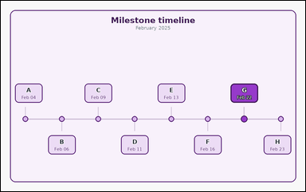 | 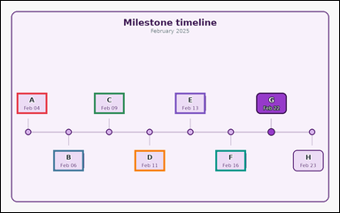 | task_temporal_timeline_milestones | before_reference_count | Look at the milestone timeline in the image. It shows one labeled milestone timeline for February 2025 with dated event cards and one highlighted reference event. Answer the question using the timeline. How many events happen before the highlighted reference event? Return a valid JSON object with keys "evidence" and "answer" in that order. Evidence format: set "evidence" to an array of bounding boxes [x1, y1, x2, y2] for all event cards before the highlighted reference event. Answer requirement: set "answer" to the integer count of events before the highlighted reference event. Example JSON: {"evidence":[[160,158,264,228],[286,158,390,228]],"answer":2} | Look at the milestone timeline in the image. It shows one labeled milestone timeline for February 2025 with dated event cards and one highlighted reference event. Answer the question using the timeline. How many events happen before the highlighted reference event? Return a valid JSON object with key "answer". Answer format: set "answer" to the integer count of events before the highlighted reference event. Example JSON: {"answer":2} | {"evidence": [[52.0, 304.16, 153.0, 374.16], [173.786, 494.16, 274.786, 564.16], [308.071, 304.16, 409.071, 374.16], [442.357, 494.16, 543.357, 564.16], [576.643, 304.16, 677.643, 374.16], [710.929, 494.16, 811.929, 564.16]], "answer": 6} | [[52.0, 304.16, 153.0, 374.16], [173.786, 494.16, 274.786, 564.16], [308.071, 304.16, 409.071, 374.16], [442.357, 494.16, 543.357, 564.16], [576.643, 304.16, 677.643, 374.16], [710.929, 494.16, 811.929, 564.16]] | integer | bbox_set | 347291836421040 | temporal/task_temporal_timeline_milestones/images/before_reference_count/0002.png | temporal/task_temporal_timeline_milestones/data/before_reference_count/0002.json
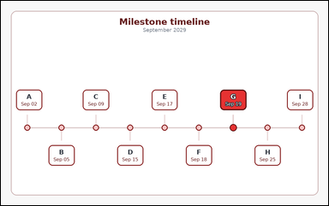 | 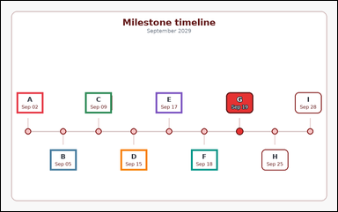 | task_temporal_timeline_milestones | before_reference_count | You are given an image with one labeled milestone timeline for September 2029 with dated event cards and one highlighted reference event. Use the milestone timeline to answer the question. Among the labeled events, how many come before the highlighted reference event? Return a valid JSON object with keys "evidence" and "answer" in that order. Evidence: set "evidence" to an array of bounding boxes [x1, y1, x2, y2] for all event cards before the highlighted reference event. Answer: set "answer" to the integer count of events before the highlighted reference event. Example JSON: {"evidence":[[160,158,264,228],[286,158,390,228]],"answer":2} | You are given an image with one labeled milestone timeline for September 2029 with dated event cards and one highlighted reference event. Use the milestone timeline to answer the question. Among the labeled events, how many come before the highlighted reference event? Return a valid JSON object with key "answer". Answer requirement: set "answer" to the integer count of events before the highlighted reference event. Example JSON: {"answer":2} | {"evidence": [[52.0, 304.16, 141.0, 374.16], [163.0, 494.16, 252.0, 564.16], [280.5, 304.16, 369.5, 374.16], [398.0, 494.16, 487.0, 564.16], [515.5, 304.16, 604.5, 374.16], [633.0, 494.16, 722.0, 564.16]], "answer": 6} | [[52.0, 304.16, 141.0, 374.16], [163.0, 494.16, 252.0, 564.16], [280.5, 304.16, 369.5, 374.16], [398.0, 494.16, 487.0, 564.16], [515.5, 304.16, 604.5, 374.16], [633.0, 494.16, 722.0, 564.16]] | integer | bbox_set | 1.3180944659E+15 | temporal/task_temporal_timeline_milestones/images/before_reference_count/0021.png | temporal/task_temporal_timeline_milestones/data/before_reference_count/0021.json
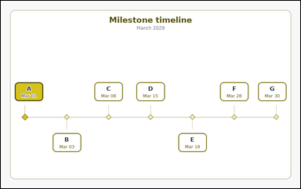 |  | task_temporal_timeline_milestones | before_reference_count | The image shows one labeled milestone timeline for March 2029 with dated event cards and one highlighted reference event. Use the milestone timeline to answer the question. How many events happen before the highlighted reference event? Return a valid JSON object with keys "evidence" and "answer" in that order. Evidence format: set "evidence" to an array of bounding boxes [x1, y1, x2, y2] for all event cards before the highlighted reference event. Answer requirement: set "answer" to the integer count of events before the highlighted reference event. Example JSON: {"evidence":[[160,158,264,228],[286,158,390,228]],"answer":2} | The image shows one labeled milestone timeline for March 2029 with dated event cards and one highlighted reference event. Use the milestone timeline to answer the question. How many events happen before the highlighted reference event? Return a valid JSON object with key "answer". Answer requirement: set "answer" to the integer count of events before the highlighted reference event. Example JSON: {"answer":2} | {"evidence": [], "answer": 0} | [] | integer | bbox_set | 1.7086426869E+15 | temporal/task_temporal_timeline_milestones/images/before_reference_count/0008.png | temporal/task_temporal_timeline_milestones/data/before_reference_count/0008.json
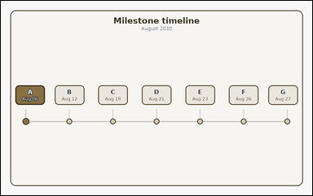 |  | task_temporal_timeline_milestones | before_reference_count | The image shows one labeled milestone timeline for August 2030 with dated event cards and one highlighted reference event. Determine the answer from the shown timeline. Count the events that occur before the highlighted reference event. Return a valid JSON object with keys "evidence" and "answer" in that order. Evidence: set "evidence" to an array of bounding boxes [x1, y1, x2, y2] for all event cards before the highlighted reference event. Answer: set "answer" to the integer count of events before the highlighted reference event. Example JSON: {"evidence":[[160,158,264,228],[286,158,390,228]],"answer":2} | The image shows one labeled milestone timeline for August 2030 with dated event cards and one highlighted reference event. Determine the answer from the shown timeline. Count the events that occur before the highlighted reference event. Return a valid JSON object with key "answer". Answer format: set "answer" to the integer count of events before the highlighted reference event. Example JSON: {"answer":2} | {"evidence": [], "answer": 0} | [] | integer | bbox_set | 1.9507579159E+15 | temporal/task_temporal_timeline_milestones/images/before_reference_count/0015.png | temporal/task_temporal_timeline_milestones/data/before_reference_count/0015.json
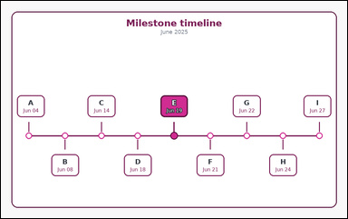 | 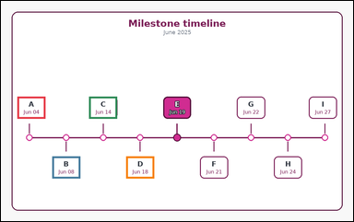 | task_temporal_timeline_milestones | before_reference_count | You are given an image with one labeled milestone timeline for June 2025 with dated event cards and one highlighted reference event. Read the timeline carefully and answer the question. Among the labeled events, how many come before the highlighted reference event? Return a valid JSON object with keys "evidence" and "answer" in that order. Evidence rule: set "evidence" to an array of bounding boxes [x1, y1, x2, y2] for all event cards before the highlighted reference event. Answer rule: set "answer" to the integer count of events before the highlighted reference event. Example JSON: {"evidence":[[160,158,264,228],[286,158,390,228]],"answer":2} | You are given an image with one labeled milestone timeline for June 2025 with dated event cards and one highlighted reference event. Read the timeline carefully and answer the question. Among the labeled events, how many come before the highlighted reference event? Return a valid JSON object with key "answer". Answer: set "answer" to the integer count of events before the highlighted reference event. Example JSON: {"answer":2} | {"evidence": [[52.0, 304.16, 141.0, 374.16], [163.0, 494.16, 252.0, 564.16], [280.5, 304.16, 369.5, 374.16], [398.0, 494.16, 487.0, 564.16]], "answer": 4} | [[52.0, 304.16, 141.0, 374.16], [163.0, 494.16, 252.0, 564.16], [280.5, 304.16, 369.5, 374.16], [398.0, 494.16, 487.0, 564.16]] | integer | bbox_set | 2.6689072154E+15 | temporal/task_temporal_timeline_milestones/images/before_reference_count/0009.png | temporal/task_temporal_timeline_milestones/data/before_reference_count/0009.json
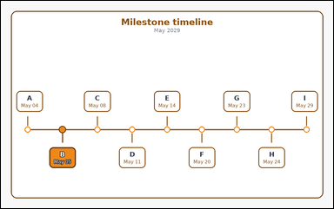 | 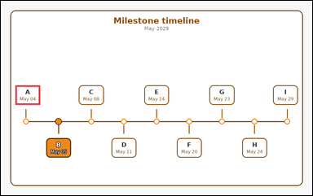 | task_temporal_timeline_milestones | before_reference_count | The image shows one labeled milestone timeline for May 2029 with dated event cards and one highlighted reference event. Work from the full timeline view to answer the question. How many events happen before the highlighted reference event? Return a valid JSON object with keys "evidence" and "answer" in that order. Evidence rule: set "evidence" to an array of bounding boxes [x1, y1, x2, y2] for all event cards before the highlighted reference event. Answer rule: set "answer" to the integer count of events before the highlighted reference event. Example JSON: {"evidence":[[160,158,264,228],[286,158,390,228]],"answer":2} | The image shows one labeled milestone timeline for May 2029 with dated event cards and one highlighted reference event. Work from the full timeline view to answer the question. How many events happen before the highlighted reference event? Return a valid JSON object with key "answer". Answer format: set "answer" to the integer count of events before the highlighted reference event. Example JSON: {"answer":2} | {"evidence": [[52.0, 304.16, 141.0, 374.16]], "answer": 1} | [[52.0, 304.16, 141.0, 374.16]] | integer | bbox_set | 2.8237859477E+15 | temporal/task_temporal_timeline_milestones/images/before_reference_count/0004.png | temporal/task_temporal_timeline_milestones/data/before_reference_count/0004.json
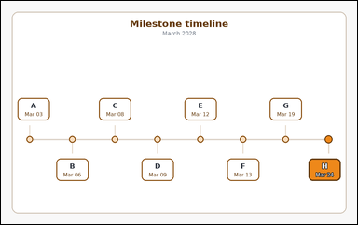 | 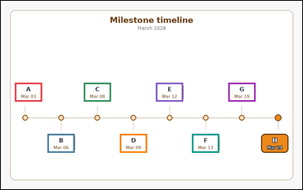 | task_temporal_timeline_milestones | before_reference_count | Use the timeline in the image. It shows one labeled milestone timeline for March 2028 with dated event cards and one highlighted reference event. Read the timeline carefully and answer the question. Count the events that occur before the highlighted reference event. Return a valid JSON object with keys "evidence" and "answer" in that order. Evidence requirement: set "evidence" to an array of bounding boxes [x1, y1, x2, y2] for all event cards before the highlighted reference event. Answer format: set "answer" to the integer count of events before the highlighted reference event. Example JSON: {"evidence":[[160,158,264,228],[286,158,390,228]],"answer":2} | Use the timeline in the image. It shows one labeled milestone timeline for March 2028 with dated event cards and one highlighted reference event. Read the timeline carefully and answer the question. Count the events that occur before the highlighted reference event. Return a valid JSON object with key "answer". Answer format: set "answer" to the integer count of events before the highlighted reference event. Example JSON: {"answer":2} | {"evidence": [[52.0, 304.16, 153.0, 374.16], [173.786, 494.16, 274.786, 564.16], [308.071, 304.16, 409.071, 374.16], [442.357, 494.16, 543.357, 564.16], [576.643, 304.16, 677.643, 374.16], [710.929, 494.16, 811.929, 564.16], [845.214, 304.16, 946.214, 374.16]], "answer": 7} | [[52.0, 304.16, 153.0, 374.16], [173.786, 494.16, 274.786, 564.16], [308.071, 304.16, 409.071, 374.16], [442.357, 494.16, 543.357, 564.16], [576.643, 304.16, 677.643, 374.16], [710.929, 494.16, 811.929, 564.16], [845.214, 304.16, 946.214, 374.16]] | integer | bbox_set | 3.2771623315E+15 | temporal/task_temporal_timeline_milestones/images/before_reference_count/0019.png | temporal/task_temporal_timeline_milestones/data/before_reference_count/0019.json
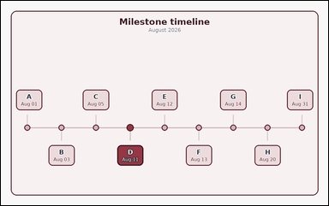 | 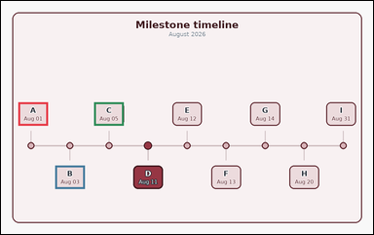 | task_temporal_timeline_milestones | before_reference_count | Work from the milestone timeline shown in the image: one labeled milestone timeline for August 2026 with dated event cards and one highlighted reference event. Work from the full timeline view to answer the question. Count the milestones that occur before the highlighted reference event. Return a valid JSON object with keys "evidence" and "answer" in that order. Evidence requirement: set "evidence" to an array of bounding boxes [x1, y1, x2, y2] for all event cards before the highlighted reference event. Answer format: set "answer" to the integer count of events before the highlighted reference event. Example JSON: {"evidence":[[160,158,264,228],[286,158,390,228]],"answer":2} | Work from the milestone timeline shown in the image: one labeled milestone timeline for August 2026 with dated event cards and one highlighted reference event. Work from the full timeline view to answer the question. Count the milestones that occur before the highlighted reference event. Return a valid JSON object with key "answer". Answer format: set "answer" to the integer count of events before the highlighted reference event. Example JSON: {"answer":2} | {"evidence": [[52.0, 304.16, 141.0, 374.16], [163.0, 494.16, 252.0, 564.16], [280.5, 304.16, 369.5, 374.16]], "answer": 3} | [[52.0, 304.16, 141.0, 374.16], [163.0, 494.16, 252.0, 564.16], [280.5, 304.16, 369.5, 374.16]] | integer | bbox_set | 3.3447839778E+15 | temporal/task_temporal_timeline_milestones/images/before_reference_count/0024.png | temporal/task_temporal_timeline_milestones/data/before_reference_count/0024.json
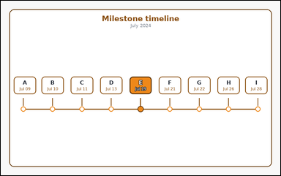 | 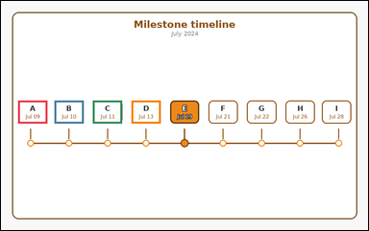 | task_temporal_timeline_milestones | before_reference_count | You are given an image with one labeled milestone timeline for July 2024 with dated event cards and one highlighted reference event. Work from the full timeline view to answer the question. Count the events that occur before the highlighted reference event. Return a valid JSON object with keys "evidence" and "answer" in that order. Evidence format: set "evidence" to an array of bounding boxes [x1, y1, x2, y2] for all event cards before the highlighted reference event. Answer requirement: set "answer" to the integer count of events before the highlighted reference event. Example JSON: {"evidence":[[160,158,264,228],[286,158,390,228]],"answer":2} | You are given an image with one labeled milestone timeline for July 2024 with dated event cards and one highlighted reference event. Work from the full timeline view to answer the question. Count the events that occur before the highlighted reference event. Return a valid JSON object with key "answer". Answer requirement: set "answer" to the integer count of events before the highlighted reference event. Example JSON: {"answer":2} | {"evidence": [[52.0, 304.16, 141.0, 374.16], [163.0, 304.16, 252.0, 374.16], [280.5, 304.16, 369.5, 374.16], [398.0, 304.16, 487.0, 374.16]], "answer": 4} | [[52.0, 304.16, 141.0, 374.16], [163.0, 304.16, 252.0, 374.16], [280.5, 304.16, 369.5, 374.16], [398.0, 304.16, 487.0, 374.16]] | integer | bbox_set | 3.4345296303E+15 | temporal/task_temporal_timeline_milestones/images/before_reference_count/0001.png | temporal/task_temporal_timeline_milestones/data/before_reference_count/0001.json
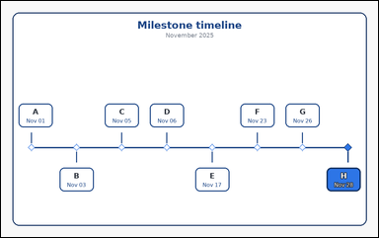 | 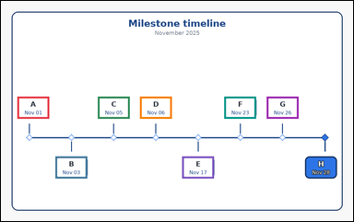 | task_temporal_timeline_milestones | before_reference_count | Use the timeline in the image. It shows one labeled milestone timeline for November 2025 with dated event cards and one highlighted reference event. Work from the full timeline view to answer the question. How many event cards are earlier than the highlighted reference event? Return a valid JSON object with keys "evidence" and "answer" in that order. Evidence format: set "evidence" to an array of bounding boxes [x1, y1, x2, y2] for all event cards before the highlighted reference event. Answer requirement: set "answer" to the integer count of events before the highlighted reference event. Example JSON: {"evidence":[[160,158,264,228],[286,158,390,228]],"answer":2} | Use the timeline in the image. It shows one labeled milestone timeline for November 2025 with dated event cards and one highlighted reference event. Work from the full timeline view to answer the question. How many event cards are earlier than the highlighted reference event? Return a valid JSON object with key "answer". Answer field: set "answer" to the integer count of events before the highlighted reference event. Example JSON: {"answer":2} | {"evidence": [[52.0, 304.16, 153.0, 374.16], [173.786, 494.16, 274.786, 564.16], [308.071, 304.16, 409.071, 374.16], [442.357, 304.16, 543.357, 374.16], [576.643, 494.16, 677.643, 564.16], [710.929, 304.16, 811.929, 374.16], [845.214, 304.16, 946.214, 374.16]], "answer": 7} | [[52.0, 304.16, 153.0, 374.16], [173.786, 494.16, 274.786, 564.16], [308.071, 304.16, 409.071, 374.16], [442.357, 304.16, 543.357, 374.16], [576.643, 494.16, 677.643, 564.16], [710.929, 304.16, 811.929, 374.16], [845.214, 304.16, 946.214, 374.16]] | integer | bbox_set | 3.5420701333E+15 | temporal/task_temporal_timeline_milestones/images/before_reference_count/0006.png | temporal/task_temporal_timeline_milestones/data/before_reference_count/0006.json
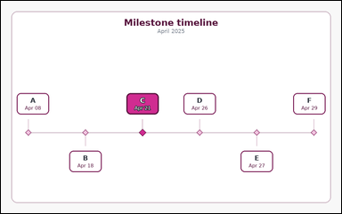 | 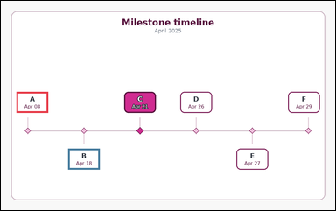 | task_temporal_timeline_milestones | before_reference_count | Work from the milestone timeline shown in the image: one labeled milestone timeline for April 2025 with dated event cards and one highlighted reference event. Work from the full timeline view to answer the question. How many events happen before the highlighted reference event? Return a valid JSON object with keys "evidence" and "answer" in that order. Evidence rule: set "evidence" to an array of bounding boxes [x1, y1, x2, y2] for all event cards before the highlighted reference event. Answer rule: set "answer" to the integer count of events before the highlighted reference event. Example JSON: {"evidence":[[160,158,264,228],[286,158,390,228]],"answer":2} | Work from the milestone timeline shown in the image: one labeled milestone timeline for April 2025 with dated event cards and one highlighted reference event. Work from the full timeline view to answer the question. How many events happen before the highlighted reference event? Return a valid JSON object with key "answer". Answer requirement: set "answer" to the integer count of events before the highlighted reference event. Example JSON: {"answer":2} | {"evidence": [[52.0, 304.16, 158.0, 374.16], [225.0, 494.16, 331.0, 564.16]], "answer": 2} | [[52.0, 304.16, 158.0, 374.16], [225.0, 494.16, 331.0, 564.16]] | integer | bbox_set | 3.7088298241E+15 | temporal/task_temporal_timeline_milestones/images/before_reference_count/0022.png | temporal/task_temporal_timeline_milestones/data/before_reference_count/0022.json
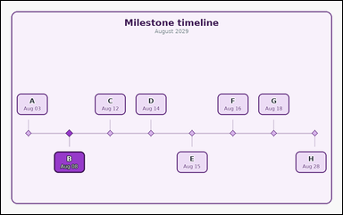 | 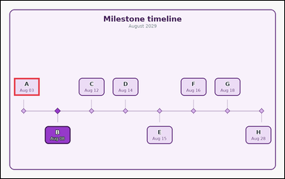 | task_temporal_timeline_milestones | before_reference_count | Work from the milestone timeline shown in the image: one labeled milestone timeline for August 2029 with dated event cards and one highlighted reference event. Read the timeline carefully and answer the question. Among the labeled events, how many come before the highlighted reference event? Return a valid JSON object with keys "evidence" and "answer" in that order. Evidence field: set "evidence" to an array of bounding boxes [x1, y1, x2, y2] for all event cards before the highlighted reference event. Answer field: set "answer" to the integer count of events before the highlighted reference event. Example JSON: {"evidence":[[160,158,264,228],[286,158,390,228]],"answer":2} | Work from the milestone timeline shown in the image: one labeled milestone timeline for August 2029 with dated event cards and one highlighted reference event. Read the timeline carefully and answer the question. Among the labeled events, how many come before the highlighted reference event? Return a valid JSON object with key "answer". Answer requirement: set "answer" to the integer count of events before the highlighted reference event. Example JSON: {"answer":2} | {"evidence": [[52.0, 304.16, 153.0, 374.16]], "answer": 1} | [[52.0, 304.16, 153.0, 374.16]] | integer | bbox_set | 4.2209303787E+15 | temporal/task_temporal_timeline_milestones/images/before_reference_count/0007.png | temporal/task_temporal_timeline_milestones/data/before_reference_count/0007.json
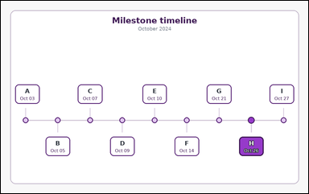 | 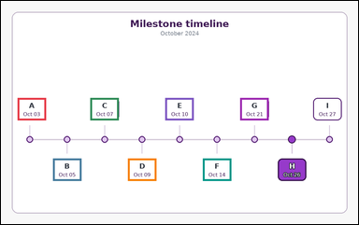 | task_temporal_timeline_milestones | before_reference_count | Use the timeline in the image. It shows one labeled milestone timeline for October 2024 with dated event cards and one highlighted reference event. Use the milestone timeline to answer the question. How many events happen before the highlighted reference event? Return a valid JSON object with keys "evidence" and "answer" in that order. Evidence: set "evidence" to an array of bounding boxes [x1, y1, x2, y2] for all event cards before the highlighted reference event. Answer: set "answer" to the integer count of events before the highlighted reference event. Example JSON: {"evidence":[[160,158,264,228],[286,158,390,228]],"answer":2} | Use the timeline in the image. It shows one labeled milestone timeline for October 2024 with dated event cards and one highlighted reference event. Use the milestone timeline to answer the question. How many events happen before the highlighted reference event? Return a valid JSON object with key "answer". Answer rule: set "answer" to the integer count of events before the highlighted reference event. Example JSON: {"answer":2} | {"evidence": [[52.0, 304.16, 141.0, 374.16], [163.0, 494.16, 252.0, 564.16], [280.5, 304.16, 369.5, 374.16], [398.0, 494.16, 487.0, 564.16], [515.5, 304.16, 604.5, 374.16], [633.0, 494.16, 722.0, 564.16], [750.5, 304.16, 839.5, 374.16]], "answer": 7} | [[52.0, 304.16, 141.0, 374.16], [163.0, 494.16, 252.0, 564.16], [280.5, 304.16, 369.5, 374.16], [398.0, 494.16, 487.0, 564.16], [515.5, 304.16, 604.5, 374.16], [633.0, 494.16, 722.0, 564.16], [750.5, 304.16, 839.5, 374.16]] | integer | bbox_set | 4.4065178965E+15 | temporal/task_temporal_timeline_milestones/images/before_reference_count/0000.png | temporal/task_temporal_timeline_milestones/data/before_reference_count/0000.json
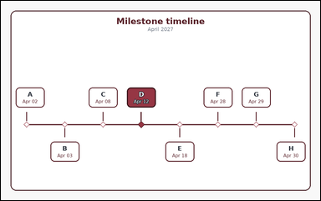 | 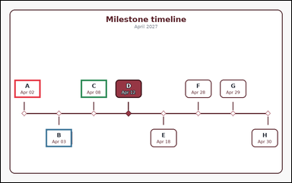 | task_temporal_timeline_milestones | before_reference_count | The image shows one labeled milestone timeline for April 2027 with dated event cards and one highlighted reference event. Read the timeline carefully and answer the question. How many events happen before the highlighted reference event? Return a valid JSON object with keys "evidence" and "answer" in that order. Evidence requirement: set "evidence" to an array of bounding boxes [x1, y1, x2, y2] for all event cards before the highlighted reference event. Answer format: set "answer" to the integer count of events before the highlighted reference event. Example JSON: {"evidence":[[160,158,264,228],[286,158,390,228]],"answer":2} | The image shows one labeled milestone timeline for April 2027 with dated event cards and one highlighted reference event. Read the timeline carefully and answer the question. How many events happen before the highlighted reference event? Return a valid JSON object with key "answer". Answer rule: set "answer" to the integer count of events before the highlighted reference event. Example JSON: {"answer":2} | {"evidence": [[52.0, 304.16, 153.0, 374.16], [173.786, 494.16, 274.786, 564.16], [308.071, 304.16, 409.071, 374.16]], "answer": 3} | [[52.0, 304.16, 153.0, 374.16], [173.786, 494.16, 274.786, 564.16], [308.071, 304.16, 409.071, 374.16]] | integer | bbox_set | 4.8089726585E+15 | temporal/task_temporal_timeline_milestones/images/before_reference_count/0016.png | temporal/task_temporal_timeline_milestones/data/before_reference_count/0016.json
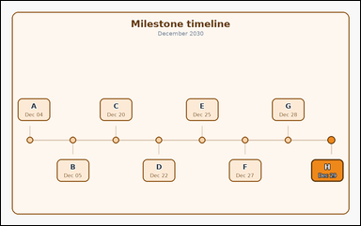 | 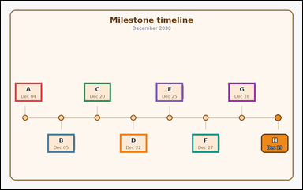 | task_temporal_timeline_milestones | before_reference_count | Use the timeline in the image. It shows one labeled milestone timeline for December 2030 with dated event cards and one highlighted reference event. Use the milestone timeline to answer the question. Among the labeled events, how many come before the highlighted reference event? Return a valid JSON object with keys "evidence" and "answer" in that order. Evidence rule: set "evidence" to an array of bounding boxes [x1, y1, x2, y2] for all event cards before the highlighted reference event. Answer rule: set "answer" to the integer count of events before the highlighted reference event. Example JSON: {"evidence":[[160,158,264,228],[286,158,390,228]],"answer":2} | Use the timeline in the image. It shows one labeled milestone timeline for December 2030 with dated event cards and one highlighted reference event. Use the milestone timeline to answer the question. Among the labeled events, how many come before the highlighted reference event? Return a valid JSON object with key "answer". Answer format: set "answer" to the integer count of events before the highlighted reference event. Example JSON: {"answer":2} | {"evidence": [[52.0, 304.16, 153.0, 374.16], [173.786, 494.16, 274.786, 564.16], [308.071, 304.16, 409.071, 374.16], [442.357, 494.16, 543.357, 564.16], [576.643, 304.16, 677.643, 374.16], [710.929, 494.16, 811.929, 564.16], [845.214, 304.16, 946.214, 374.16]], "answer": 7} | [[52.0, 304.16, 153.0, 374.16], [173.786, 494.16, 274.786, 564.16], [308.071, 304.16, 409.071, 374.16], [442.357, 494.16, 543.357, 564.16], [576.643, 304.16, 677.643, 374.16], [710.929, 494.16, 811.929, 564.16], [845.214, 304.16, 946.214, 374.16]] | integer | bbox_set | 4.8293534135E+15 | temporal/task_temporal_timeline_milestones/images/before_reference_count/0014.png | temporal/task_temporal_timeline_milestones/data/before_reference_count/0014.json
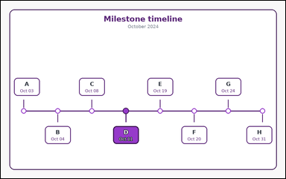 | 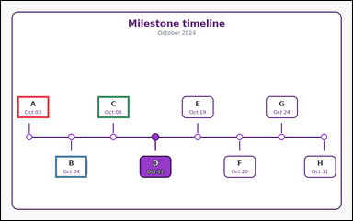 | task_temporal_timeline_milestones | before_reference_count | The image shows one labeled milestone timeline for October 2024 with dated event cards and one highlighted reference event. Work from the full timeline view to answer the question. Count the events that occur before the highlighted reference event. Return a valid JSON object with keys "evidence" and "answer" in that order. Evidence requirement: set "evidence" to an array of bounding boxes [x1, y1, x2, y2] for all event cards before the highlighted reference event. Answer format: set "answer" to the integer count of events before the highlighted reference event. Example JSON: {"evidence":[[160,158,264,228],[286,158,390,228]],"answer":2} | The image shows one labeled milestone timeline for October 2024 with dated event cards and one highlighted reference event. Work from the full timeline view to answer the question. Count the events that occur before the highlighted reference event. Return a valid JSON object with key "answer". Answer requirement: set "answer" to the integer count of events before the highlighted reference event. Example JSON: {"answer":2} | {"evidence": [[52.0, 304.16, 153.0, 374.16], [173.786, 494.16, 274.786, 564.16], [308.071, 304.16, 409.071, 374.16]], "answer": 3} | [[52.0, 304.16, 153.0, 374.16], [173.786, 494.16, 274.786, 564.16], [308.071, 304.16, 409.071, 374.16]] | integer | bbox_set | 4.8922291946E+15 | temporal/task_temporal_timeline_milestones/images/before_reference_count/0003.png | temporal/task_temporal_timeline_milestones/data/before_reference_count/0003.json
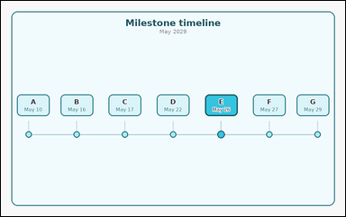 | 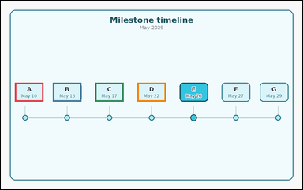 | task_temporal_timeline_milestones | before_reference_count | Look at the milestone timeline in the image. It shows one labeled milestone timeline for May 2029 with dated event cards and one highlighted reference event. Work from the full timeline view to answer the question. How many event cards are earlier than the highlighted reference event? Return a valid JSON object with keys "evidence" and "answer" in that order. Evidence requirement: set "evidence" to an array of bounding boxes [x1, y1, x2, y2] for all event cards before the highlighted reference event. Answer format: set "answer" to the integer count of events before the highlighted reference event. Example JSON: {"evidence":[[160,158,264,228],[286,158,390,228]],"answer":2} | Look at the milestone timeline in the image. It shows one labeled milestone timeline for May 2029 with dated event cards and one highlighted reference event. Work from the full timeline view to answer the question. How many event cards are earlier than the highlighted reference event? Return a valid JSON object with key "answer". Answer: set "answer" to the integer count of events before the highlighted reference event. Example JSON: {"answer":2} | {"evidence": [[52.0, 304.16, 158.0, 374.16], [193.667, 304.16, 299.667, 374.16], [350.333, 304.16, 456.333, 374.16], [507.0, 304.16, 613.0, 374.16]], "answer": 4} | [[52.0, 304.16, 158.0, 374.16], [193.667, 304.16, 299.667, 374.16], [350.333, 304.16, 456.333, 374.16], [507.0, 304.16, 613.0, 374.16]] | integer | bbox_set | 5.0144231378E+15 | temporal/task_temporal_timeline_milestones/images/before_reference_count/0010.png | temporal/task_temporal_timeline_milestones/data/before_reference_count/0010.json
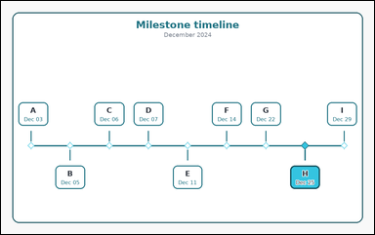 | 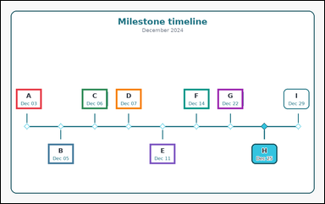 | task_temporal_timeline_milestones | before_reference_count | You are given an image with one labeled milestone timeline for December 2024 with dated event cards and one highlighted reference event. Determine the answer from the shown timeline. Count the milestones that occur before the highlighted reference event. Return a valid JSON object with keys "evidence" and "answer" in that order. Evidence field: set "evidence" to an array of bounding boxes [x1, y1, x2, y2] for all event cards before the highlighted reference event. Answer field: set "answer" to the integer count of events before the highlighted reference event. Example JSON: {"evidence":[[160,158,264,228],[286,158,390,228]],"answer":2} | You are given an image with one labeled milestone timeline for December 2024 with dated event cards and one highlighted reference event. Determine the answer from the shown timeline. Count the milestones that occur before the highlighted reference event. Return a valid JSON object with key "answer". Answer format: set "answer" to the integer count of events before the highlighted reference event. Example JSON: {"answer":2} | {"evidence": [[52.0, 304.16, 141.0, 374.16], [163.0, 494.16, 252.0, 564.16], [280.5, 304.16, 369.5, 374.16], [398.0, 304.16, 487.0, 374.16], [515.5, 494.16, 604.5, 564.16], [633.0, 304.16, 722.0, 374.16], [750.5, 304.16, 839.5, 374.16]], "answer": 7} | [[52.0, 304.16, 141.0, 374.16], [163.0, 494.16, 252.0, 564.16], [280.5, 304.16, 369.5, 374.16], [398.0, 304.16, 487.0, 374.16], [515.5, 494.16, 604.5, 564.16], [633.0, 304.16, 722.0, 374.16], [750.5, 304.16, 839.5, 374.16]] | integer | bbox_set | 5.4023599603E+15 | temporal/task_temporal_timeline_milestones/images/before_reference_count/0020.png | temporal/task_temporal_timeline_milestones/data/before_reference_count/0020.json
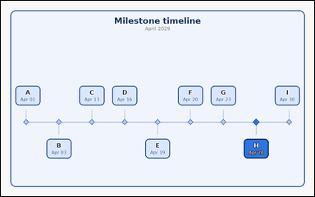 | 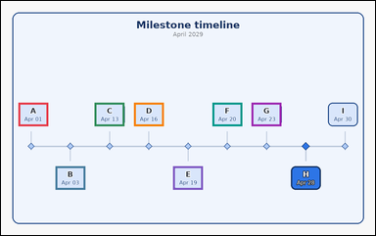 | task_temporal_timeline_milestones | before_reference_count | Use the timeline in the image. It shows one labeled milestone timeline for April 2029 with dated event cards and one highlighted reference event. Read the timeline carefully and answer the question. How many events happen before the highlighted reference event? Return a valid JSON object with keys "evidence" and "answer" in that order. Evidence field: set "evidence" to an array of bounding boxes [x1, y1, x2, y2] for all event cards before the highlighted reference event. Answer field: set "answer" to the integer count of events before the highlighted reference event. Example JSON: {"evidence":[[160,158,264,228],[286,158,390,228]],"answer":2} | Use the timeline in the image. It shows one labeled milestone timeline for April 2029 with dated event cards and one highlighted reference event. Read the timeline carefully and answer the question. How many events happen before the highlighted reference event? Return a valid JSON object with key "answer". Answer field: set "answer" to the integer count of events before the highlighted reference event. Example JSON: {"answer":2} | {"evidence": [[52.0, 304.16, 141.0, 374.16], [163.0, 494.16, 252.0, 564.16], [280.5, 304.16, 369.5, 374.16], [398.0, 304.16, 487.0, 374.16], [515.5, 494.16, 604.5, 564.16], [633.0, 304.16, 722.0, 374.16], [750.5, 304.16, 839.5, 374.16]], "answer": 7} | [[52.0, 304.16, 141.0, 374.16], [163.0, 494.16, 252.0, 564.16], [280.5, 304.16, 369.5, 374.16], [398.0, 304.16, 487.0, 374.16], [515.5, 494.16, 604.5, 564.16], [633.0, 304.16, 722.0, 374.16], [750.5, 304.16, 839.5, 374.16]] | integer | bbox_set | 5.4144117107E+15 | temporal/task_temporal_timeline_milestones/images/before_reference_count/0005.png | temporal/task_temporal_timeline_milestones/data/before_reference_count/0005.json
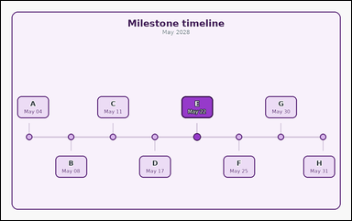 | 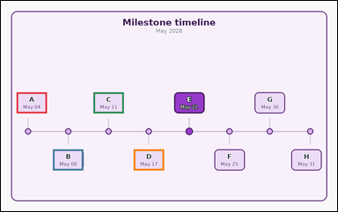 | task_temporal_timeline_milestones | before_reference_count | Use the timeline in the image. It shows one labeled milestone timeline for May 2028 with dated event cards and one highlighted reference event. Use the milestone timeline to answer the question. Among the labeled events, how many come before the highlighted reference event? Return a valid JSON object with keys "evidence" and "answer" in that order. Evidence format: set "evidence" to an array of bounding boxes [x1, y1, x2, y2] for all event cards before the highlighted reference event. Answer requirement: set "answer" to the integer count of events before the highlighted reference event. Example JSON: {"evidence":[[160,158,264,228],[286,158,390,228]],"answer":2} | Use the timeline in the image. It shows one labeled milestone timeline for May 2028 with dated event cards and one highlighted reference event. Use the milestone timeline to answer the question. Among the labeled events, how many come before the highlighted reference event? Return a valid JSON object with key "answer". Answer format: set "answer" to the integer count of events before the highlighted reference event. Example JSON: {"answer":2} | {"evidence": [[52.0, 304.16, 153.0, 374.16], [173.786, 494.16, 274.786, 564.16], [308.071, 304.16, 409.071, 374.16], [442.357, 494.16, 543.357, 564.16]], "answer": 4} | [[52.0, 304.16, 153.0, 374.16], [173.786, 494.16, 274.786, 564.16], [308.071, 304.16, 409.071, 374.16], [442.357, 494.16, 543.357, 564.16]] | integer | bbox_set | 5.5915292123E+15 | temporal/task_temporal_timeline_milestones/images/before_reference_count/0023.png | temporal/task_temporal_timeline_milestones/data/before_reference_count/0023.json
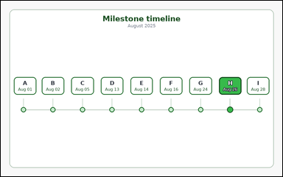 | 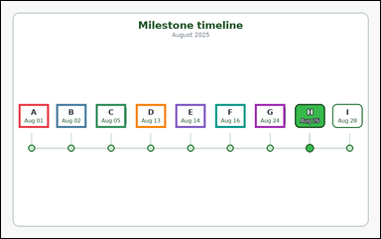 | task_temporal_timeline_milestones | before_reference_count | Work from the milestone timeline shown in the image: one labeled milestone timeline for August 2025 with dated event cards and one highlighted reference event. Read the timeline carefully and answer the question. Among the labeled events, how many come before the highlighted reference event? Return a valid JSON object with keys "evidence" and "answer" in that order. Evidence field: set "evidence" to an array of bounding boxes [x1, y1, x2, y2] for all event cards before the highlighted reference event. Answer field: set "answer" to the integer count of events before the highlighted reference event. Example JSON: {"evidence":[[160,158,264,228],[286,158,390,228]],"answer":2} | Work from the milestone timeline shown in the image: one labeled milestone timeline for August 2025 with dated event cards and one highlighted reference event. Read the timeline carefully and answer the question. Among the labeled events, how many come before the highlighted reference event? Return a valid JSON object with key "answer". Answer: set "answer" to the integer count of events before the highlighted reference event. Example JSON: {"answer":2} | {"evidence": [[52.0, 304.16, 141.0, 374.16], [163.0, 304.16, 252.0, 374.16], [280.5, 304.16, 369.5, 374.16], [398.0, 304.16, 487.0, 374.16], [515.5, 304.16, 604.5, 374.16], [633.0, 304.16, 722.0, 374.16], [750.5, 304.16, 839.5, 374.16]], "answer": 7} | [[52.0, 304.16, 141.0, 374.16], [163.0, 304.16, 252.0, 374.16], [280.5, 304.16, 369.5, 374.16], [398.0, 304.16, 487.0, 374.16], [515.5, 304.16, 604.5, 374.16], [633.0, 304.16, 722.0, 374.16], [750.5, 304.16, 839.5, 374.16]] | integer | bbox_set | 6.2682206645E+15 | temporal/task_temporal_timeline_milestones/images/before_reference_count/0013.png | temporal/task_temporal_timeline_milestones/data/before_reference_count/0013.json
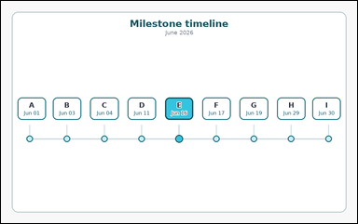 | 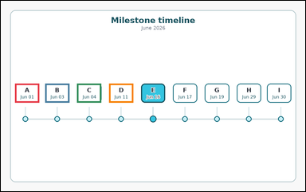 | task_temporal_timeline_milestones | before_reference_count | You are given an image with one labeled milestone timeline for June 2026 with dated event cards and one highlighted reference event. Answer the question using the timeline. Count the milestones that occur before the highlighted reference event. Return a valid JSON object with keys "evidence" and "answer" in that order. Evidence: set "evidence" to an array of bounding boxes [x1, y1, x2, y2] for all event cards before the highlighted reference event. Answer: set "answer" to the integer count of events before the highlighted reference event. Example JSON: {"evidence":[[160,158,264,228],[286,158,390,228]],"answer":2} | You are given an image with one labeled milestone timeline for June 2026 with dated event cards and one highlighted reference event. Answer the question using the timeline. Count the milestones that occur before the highlighted reference event. Return a valid JSON object with key "answer". Answer field: set "answer" to the integer count of events before the highlighted reference event. Example JSON: {"answer":2} | {"evidence": [[52.0, 304.16, 141.0, 374.16], [163.0, 304.16, 252.0, 374.16], [280.5, 304.16, 369.5, 374.16], [398.0, 304.16, 487.0, 374.16]], "answer": 4} | [[52.0, 304.16, 141.0, 374.16], [163.0, 304.16, 252.0, 374.16], [280.5, 304.16, 369.5, 374.16], [398.0, 304.16, 487.0, 374.16]] | integer | bbox_set | 6.5416510884E+15 | temporal/task_temporal_timeline_milestones/images/before_reference_count/0012.png | temporal/task_temporal_timeline_milestones/data/before_reference_count/0012.json
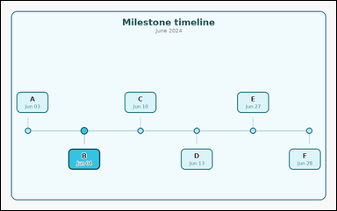 | 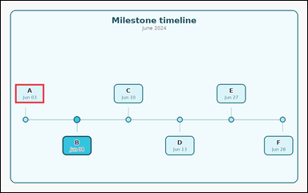 | task_temporal_timeline_milestones | before_reference_count | Work from the milestone timeline shown in the image: one labeled milestone timeline for June 2024 with dated event cards and one highlighted reference event. Work from the full timeline view to answer the question. Count the milestones that occur before the highlighted reference event. Return a valid JSON object with keys "evidence" and "answer" in that order. Evidence: set "evidence" to an array of bounding boxes [x1, y1, x2, y2] for all event cards before the highlighted reference event. Answer: set "answer" to the integer count of events before the highlighted reference event. Example JSON: {"evidence":[[160,158,264,228],[286,158,390,228]],"answer":2} | Work from the milestone timeline shown in the image: one labeled milestone timeline for June 2024 with dated event cards and one highlighted reference event. Work from the full timeline view to answer the question. Count the milestones that occur before the highlighted reference event. Return a valid JSON object with key "answer". Answer rule: set "answer" to the integer count of events before the highlighted reference event. Example JSON: {"answer":2} | {"evidence": [[52.0, 304.16, 158.0, 374.16]], "answer": 1} | [[52.0, 304.16, 158.0, 374.16]] | integer | bbox_set | 7.0383316057E+15 | temporal/task_temporal_timeline_milestones/images/before_reference_count/0011.png | temporal/task_temporal_timeline_milestones/data/before_reference_count/0011.json
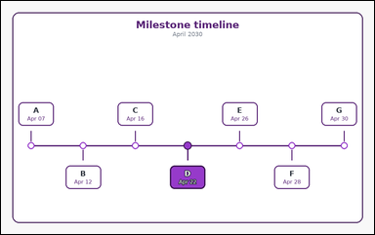 | 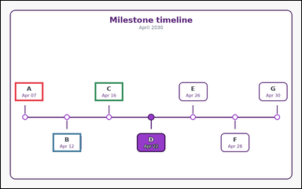 | task_temporal_timeline_milestones | before_reference_count | You are given an image with one labeled milestone timeline for April 2030 with dated event cards and one highlighted reference event. Determine the answer from the shown timeline. How many event cards are earlier than the highlighted reference event? Return a valid JSON object with keys "evidence" and "answer" in that order. Evidence requirement: set "evidence" to an array of bounding boxes [x1, y1, x2, y2] for all event cards before the highlighted reference event. Answer format: set "answer" to the integer count of events before the highlighted reference event. Example JSON: {"evidence":[[160,158,264,228],[286,158,390,228]],"answer":2} | You are given an image with one labeled milestone timeline for April 2030 with dated event cards and one highlighted reference event. Determine the answer from the shown timeline. How many event cards are earlier than the highlighted reference event? Return a valid JSON object with key "answer". Answer field: set "answer" to the integer count of events before the highlighted reference event. Example JSON: {"answer":2} | {"evidence": [[52.0, 304.16, 158.0, 374.16], [193.667, 494.16, 299.667, 564.16], [350.333, 304.16, 456.333, 374.16]], "answer": 3} | [[52.0, 304.16, 158.0, 374.16], [193.667, 494.16, 299.667, 564.16], [350.333, 304.16, 456.333, 374.16]] | integer | bbox_set | 7.3123136395E+15 | temporal/task_temporal_timeline_milestones/images/before_reference_count/0017.png | temporal/task_temporal_timeline_milestones/data/before_reference_count/0017.json
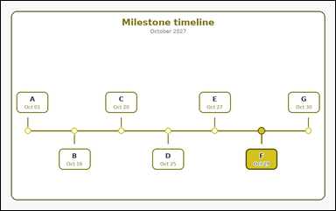 | 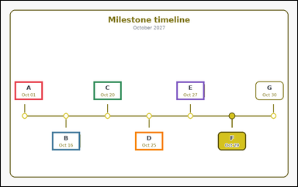 | task_temporal_timeline_milestones | before_reference_count | Look at the milestone timeline in the image. It shows one labeled milestone timeline for October 2027 with dated event cards and one highlighted reference event. Work from the full timeline view to answer the question. Among the labeled events, how many come before the highlighted reference event? Return a valid JSON object with keys "evidence" and "answer" in that order. Evidence field: set "evidence" to an array of bounding boxes [x1, y1, x2, y2] for all event cards before the highlighted reference event. Answer field: set "answer" to the integer count of events before the highlighted reference event. Example JSON: {"evidence":[[160,158,264,228],[286,158,390,228]],"answer":2} | Look at the milestone timeline in the image. It shows one labeled milestone timeline for October 2027 with dated event cards and one highlighted reference event. Work from the full timeline view to answer the question. Among the labeled events, how many come before the highlighted reference event? Return a valid JSON object with key "answer". Answer format: set "answer" to the integer count of events before the highlighted reference event. Example JSON: {"answer":2} | {"evidence": [[52.0, 304.16, 158.0, 374.16], [193.667, 494.16, 299.667, 564.16], [350.333, 304.16, 456.333, 374.16], [507.0, 494.16, 613.0, 564.16], [663.667, 304.16, 769.667, 374.16]], "answer": 5} | [[52.0, 304.16, 158.0, 374.16], [193.667, 494.16, 299.667, 564.16], [350.333, 304.16, 456.333, 374.16], [507.0, 494.16, 613.0, 564.16], [663.667, 304.16, 769.667, 374.16]] | integer | bbox_set | 8.744819407E+15 | temporal/task_temporal_timeline_milestones/images/before_reference_count/0018.png | temporal/task_temporal_timeline_milestones/data/before_reference_count/0018.json

between_reference_events_count
image | evidence_image | task | task_variant | prompt | prompt_answer_only | answer | answer_evidence | answer_type | evidence_type | instance_seed | image_path | data_path
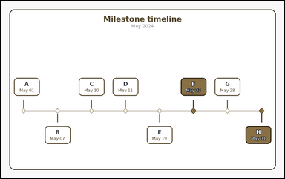 |  | task_temporal_timeline_milestones | between_reference_events_count | Work from the milestone timeline shown in the image: one labeled milestone timeline for May 2024 with dated event cards and two highlighted reference events. Work from the full timeline view to answer the question. Count the events that occur strictly between the two highlighted reference events. Return a valid JSON object with keys "evidence" and "answer" in that order. Evidence requirement: set "evidence" to an array of bounding boxes [x1, y1, x2, y2] for all event cards strictly between the two highlighted reference events. Answer format: set "answer" to the integer count of events strictly between the two highlighted reference events. Example JSON: {"evidence":[[412,410,516,480],[538,158,642,228]],"answer":2} | Work from the milestone timeline shown in the image: one labeled milestone timeline for May 2024 with dated event cards and two highlighted reference events. Work from the full timeline view to answer the question. Count the events that occur strictly between the two highlighted reference events. Return a valid JSON object with key "answer". Answer field: set "answer" to the integer count of events strictly between the two highlighted reference events. Example JSON: {"answer":2} | {"evidence": [[845.214, 304.16, 946.214, 374.16]], "answer": 1} | [[845.214, 304.16, 946.214, 374.16]] | integer | bbox_set | 386876369492032 | temporal/task_temporal_timeline_milestones/images/between_reference_events_count/0019.png | temporal/task_temporal_timeline_milestones/data/between_reference_events_count/0019.json
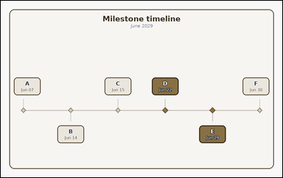 |  | task_temporal_timeline_milestones | between_reference_events_count | Look at the milestone timeline in the image. It shows one labeled milestone timeline for June 2029 with dated event cards and two highlighted reference events. Determine the answer from the shown timeline. How many milestone cards fall strictly between the two highlighted reference events? Return a valid JSON object with keys "evidence" and "answer" in that order. Evidence format: set "evidence" to an array of bounding boxes [x1, y1, x2, y2] for all event cards strictly between the two highlighted reference events. Answer requirement: set "answer" to the integer count of events strictly between the two highlighted reference events. Example JSON: {"evidence":[[412,410,516,480],[538,158,642,228]],"answer":2} | Look at the milestone timeline in the image. It shows one labeled milestone timeline for June 2029 with dated event cards and two highlighted reference events. Determine the answer from the shown timeline. How many milestone cards fall strictly between the two highlighted reference events? Return a valid JSON object with key "answer". Answer rule: set "answer" to the integer count of events strictly between the two highlighted reference events. Example JSON: {"answer":2} | {"evidence": [], "answer": 0} | [] | integer | bbox_set | 459304637422283 | temporal/task_temporal_timeline_milestones/images/between_reference_events_count/0003.png | temporal/task_temporal_timeline_milestones/data/between_reference_events_count/0003.json
 |  | task_temporal_timeline_milestones | between_reference_events_count | Look at the milestone timeline in the image. It shows one labeled milestone timeline for August 2030 with dated event cards and two highlighted reference events. Determine the answer from the shown timeline. Count the milestones that occur strictly between the two highlighted reference events. Return a valid JSON object with keys "evidence" and "answer" in that order. Evidence format: set "evidence" to an array of bounding boxes [x1, y1, x2, y2] for all event cards strictly between the two highlighted reference events. Answer requirement: set "answer" to the integer count of events strictly between the two highlighted reference events. Example JSON: {"evidence":[[412,410,516,480],[538,158,642,228]],"answer":2} | Look at the milestone timeline in the image. It shows one labeled milestone timeline for August 2030 with dated event cards and two highlighted reference events. Determine the answer from the shown timeline. Count the milestones that occur strictly between the two highlighted reference events. Return a valid JSON object with key "answer". Answer format: set "answer" to the integer count of events strictly between the two highlighted reference events. Example JSON: {"answer":2} | {"evidence": [], "answer": 0} | [] | integer | bbox_set | 860900551725675 | temporal/task_temporal_timeline_milestones/images/between_reference_events_count/0020.png | temporal/task_temporal_timeline_milestones/data/between_reference_events_count/0020.json
 |  | task_temporal_timeline_milestones | between_reference_events_count | You are given an image with one labeled milestone timeline for September 2030 with dated event cards and two highlighted reference events. Work from the full timeline view to answer the question. How many events happen strictly between the two highlighted reference events? Return a valid JSON object with keys "evidence" and "answer" in that order. Evidence rule: set "evidence" to an array of bounding boxes [x1, y1, x2, y2] for all event cards strictly between the two highlighted reference events. Answer rule: set "answer" to the integer count of events strictly between the two highlighted reference events. Example JSON: {"evidence":[[412,410,516,480],[538,158,642,228]],"answer":2} | You are given an image with one labeled milestone timeline for September 2030 with dated event cards and two highlighted reference events. Work from the full timeline view to answer the question. How many events happen strictly between the two highlighted reference events? Return a valid JSON object with key "answer". Answer field: set "answer" to the integer count of events strictly between the two highlighted reference events. Example JSON: {"answer":2} | {"evidence": [[789.0, 304.16, 895.0, 374.16]], "answer": 1} | [[789.0, 304.16, 895.0, 374.16]] | integer | bbox_set | 1.6111238981E+15 | temporal/task_temporal_timeline_milestones/images/between_reference_events_count/0014.png | temporal/task_temporal_timeline_milestones/data/between_reference_events_count/0014.json
 |  | task_temporal_timeline_milestones | between_reference_events_count | You are given an image with one labeled milestone timeline for March 2027 with dated event cards and two highlighted reference events. Answer the question using the timeline. How many milestone cards fall strictly between the two highlighted reference events? Return a valid JSON object with keys "evidence" and "answer" in that order. Evidence field: set "evidence" to an array of bounding boxes [x1, y1, x2, y2] for all event cards strictly between the two highlighted reference events. Answer field: set "answer" to the integer count of events strictly between the two highlighted reference events. Example JSON: {"evidence":[[412,410,516,480],[538,158,642,228]],"answer":2} | You are given an image with one labeled milestone timeline for March 2027 with dated event cards and two highlighted reference events. Answer the question using the timeline. How many milestone cards fall strictly between the two highlighted reference events? Return a valid JSON object with key "answer". Answer format: set "answer" to the integer count of events strictly between the two highlighted reference events. Example JSON: {"answer":2} | {"evidence": [[280.5, 304.16, 369.5, 374.16], [398.0, 304.16, 487.0, 374.16]], "answer": 2} | [[280.5, 304.16, 369.5, 374.16], [398.0, 304.16, 487.0, 374.16]] | integer | bbox_set | 1.6470681049E+15 | temporal/task_temporal_timeline_milestones/images/between_reference_events_count/0018.png | temporal/task_temporal_timeline_milestones/data/between_reference_events_count/0018.json
 |  | task_temporal_timeline_milestones | between_reference_events_count | Look at the milestone timeline in the image. It shows one labeled milestone timeline for December 2028 with dated event cards and two highlighted reference events. Answer the question using the timeline. Count the milestones that occur strictly between the two highlighted reference events. Return a valid JSON object with keys "evidence" and "answer" in that order. Evidence requirement: set "evidence" to an array of bounding boxes [x1, y1, x2, y2] for all event cards strictly between the two highlighted reference events. Answer format: set "answer" to the integer count of events strictly between the two highlighted reference events. Example JSON: {"evidence":[[412,410,516,480],[538,158,642,228]],"answer":2} | Look at the milestone timeline in the image. It shows one labeled milestone timeline for December 2028 with dated event cards and two highlighted reference events. Answer the question using the timeline. Count the milestones that occur strictly between the two highlighted reference events. Return a valid JSON object with key "answer". Answer: set "answer" to the integer count of events strictly between the two highlighted reference events. Example JSON: {"answer":2} | {"evidence": [[225.0, 494.16, 331.0, 564.16], [413.0, 304.16, 519.0, 374.16], [601.0, 304.16, 707.0, 374.16], [789.0, 494.16, 895.0, 564.16]], "answer": 4} | [[225.0, 494.16, 331.0, 564.16], [413.0, 304.16, 519.0, 374.16], [601.0, 304.16, 707.0, 374.16], [789.0, 494.16, 895.0, 564.16]] | integer | bbox_set | 2.470320071E+15 | temporal/task_temporal_timeline_milestones/images/between_reference_events_count/0009.png | temporal/task_temporal_timeline_milestones/data/between_reference_events_count/0009.json
 |  | task_temporal_timeline_milestones | between_reference_events_count | Look at the milestone timeline in the image. It shows one labeled milestone timeline for March 2025 with dated event cards and two highlighted reference events. Answer the question using the timeline. Count the milestones that occur strictly between the two highlighted reference events. Return a valid JSON object with keys "evidence" and "answer" in that order. Evidence rule: set "evidence" to an array of bounding boxes [x1, y1, x2, y2] for all event cards strictly between the two highlighted reference events. Answer rule: set "answer" to the integer count of events strictly between the two highlighted reference events. Example JSON: {"evidence":[[412,410,516,480],[538,158,642,228]],"answer":2} | Look at the milestone timeline in the image. It shows one labeled milestone timeline for March 2025 with dated event cards and two highlighted reference events. Answer the question using the timeline. Count the milestones that occur strictly between the two highlighted reference events. Return a valid JSON object with key "answer". Answer field: set "answer" to the integer count of events strictly between the two highlighted reference events. Example JSON: {"answer":2} | {"evidence": [[225.0, 494.16, 331.0, 564.16], [413.0, 304.16, 519.0, 374.16], [601.0, 494.16, 707.0, 564.16]], "answer": 3} | [[225.0, 494.16, 331.0, 564.16], [413.0, 304.16, 519.0, 374.16], [601.0, 494.16, 707.0, 564.16]] | integer | bbox_set | 2.5985611504E+15 | temporal/task_temporal_timeline_milestones/images/between_reference_events_count/0015.png | temporal/task_temporal_timeline_milestones/data/between_reference_events_count/0015.json
 |  | task_temporal_timeline_milestones | between_reference_events_count | Use the timeline in the image. It shows one labeled milestone timeline for June 2027 with dated event cards and two highlighted reference events. Determine the answer from the shown timeline. How many events happen strictly between the two highlighted reference events? Return a valid JSON object with keys "evidence" and "answer" in that order. Evidence format: set "evidence" to an array of bounding boxes [x1, y1, x2, y2] for all event cards strictly between the two highlighted reference events. Answer requirement: set "answer" to the integer count of events strictly between the two highlighted reference events. Example JSON: {"evidence":[[412,410,516,480],[538,158,642,228]],"answer":2} | Use the timeline in the image. It shows one labeled milestone timeline for June 2027 with dated event cards and two highlighted reference events. Determine the answer from the shown timeline. How many events happen strictly between the two highlighted reference events? Return a valid JSON object with key "answer". Answer field: set "answer" to the integer count of events strictly between the two highlighted reference events. Example JSON: {"answer":2} | {"evidence": [[308.071, 304.16, 409.071, 374.16], [442.357, 304.16, 543.357, 374.16], [576.643, 494.16, 677.643, 564.16], [710.929, 304.16, 811.929, 374.16]], "answer": 4} | [[308.071, 304.16, 409.071, 374.16], [442.357, 304.16, 543.357, 374.16], [576.643, 494.16, 677.643, 564.16], [710.929, 304.16, 811.929, 374.16]] | integer | bbox_set | 2.7114336541E+15 | temporal/task_temporal_timeline_milestones/images/between_reference_events_count/0008.png | temporal/task_temporal_timeline_milestones/data/between_reference_events_count/0008.json
 |  | task_temporal_timeline_milestones | between_reference_events_count | The image shows one labeled milestone timeline for November 2026 with dated event cards and two highlighted reference events. Read the timeline carefully and answer the question. How many milestone cards fall strictly between the two highlighted reference events? Return a valid JSON object with keys "evidence" and "answer" in that order. Evidence rule: set "evidence" to an array of bounding boxes [x1, y1, x2, y2] for all event cards strictly between the two highlighted reference events. Answer rule: set "answer" to the integer count of events strictly between the two highlighted reference events. Example JSON: {"evidence":[[412,410,516,480],[538,158,642,228]],"answer":2} | The image shows one labeled milestone timeline for November 2026 with dated event cards and two highlighted reference events. Read the timeline carefully and answer the question. How many milestone cards fall strictly between the two highlighted reference events? Return a valid JSON object with key "answer". Answer requirement: set "answer" to the integer count of events strictly between the two highlighted reference events. Example JSON: {"answer":2} | {"evidence": [[601.0, 304.16, 707.0, 374.16]], "answer": 1} | [[601.0, 304.16, 707.0, 374.16]] | integer | bbox_set | 2.7519370885E+15 | temporal/task_temporal_timeline_milestones/images/between_reference_events_count/0024.png | temporal/task_temporal_timeline_milestones/data/between_reference_events_count/0024.json
 |  | task_temporal_timeline_milestones | between_reference_events_count | The image shows one labeled milestone timeline for September 2027 with dated event cards and two highlighted reference events. Use the milestone timeline to answer the question. How many milestone cards fall strictly between the two highlighted reference events? Return a valid JSON object with keys "evidence" and "answer" in that order. Evidence requirement: set "evidence" to an array of bounding boxes [x1, y1, x2, y2] for all event cards strictly between the two highlighted reference events. Answer format: set "answer" to the integer count of events strictly between the two highlighted reference events. Example JSON: {"evidence":[[412,410,516,480],[538,158,642,228]],"answer":2} | The image shows one labeled milestone timeline for September 2027 with dated event cards and two highlighted reference events. Use the milestone timeline to answer the question. How many milestone cards fall strictly between the two highlighted reference events? Return a valid JSON object with key "answer". Answer rule: set "answer" to the integer count of events strictly between the two highlighted reference events. Example JSON: {"answer":2} | {"evidence": [[173.786, 494.16, 274.786, 564.16], [308.071, 304.16, 409.071, 374.16], [442.357, 304.16, 543.357, 374.16], [576.643, 494.16, 677.643, 564.16]], "answer": 4} | [[173.786, 494.16, 274.786, 564.16], [308.071, 304.16, 409.071, 374.16], [442.357, 304.16, 543.357, 374.16], [576.643, 494.16, 677.643, 564.16]] | integer | bbox_set | 3.2824345867E+15 | temporal/task_temporal_timeline_milestones/images/between_reference_events_count/0022.png | temporal/task_temporal_timeline_milestones/data/between_reference_events_count/0022.json
 |  | task_temporal_timeline_milestones | between_reference_events_count | Work from the milestone timeline shown in the image: one labeled milestone timeline for May 2024 with dated event cards and two highlighted reference events. Read the timeline carefully and answer the question. How many milestone cards fall strictly between the two highlighted reference events? Return a valid JSON object with keys "evidence" and "answer" in that order. Evidence field: set "evidence" to an array of bounding boxes [x1, y1, x2, y2] for all event cards strictly between the two highlighted reference events. Answer field: set "answer" to the integer count of events strictly between the two highlighted reference events. Example JSON: {"evidence":[[412,410,516,480],[538,158,642,228]],"answer":2} | Work from the milestone timeline shown in the image: one labeled milestone timeline for May 2024 with dated event cards and two highlighted reference events. Read the timeline carefully and answer the question. How many milestone cards fall strictly between the two highlighted reference events? Return a valid JSON object with key "answer". Answer rule: set "answer" to the integer count of events strictly between the two highlighted reference events. Example JSON: {"answer":2} | {"evidence": [[193.667, 494.16, 299.667, 564.16], [350.333, 304.16, 456.333, 374.16], [507.0, 494.16, 613.0, 564.16], [663.667, 304.16, 769.667, 374.16], [820.333, 494.16, 926.333, 564.16]], "answer": 5} | [[193.667, 494.16, 299.667, 564.16], [350.333, 304.16, 456.333, 374.16], [507.0, 494.16, 613.0, 564.16], [663.667, 304.16, 769.667, 374.16], [820.333, 494.16, 926.333, 564.16]] | integer | bbox_set | 3.3619736875E+15 | temporal/task_temporal_timeline_milestones/images/between_reference_events_count/0004.png | temporal/task_temporal_timeline_milestones/data/between_reference_events_count/0004.json
 |  | task_temporal_timeline_milestones | between_reference_events_count | Use the timeline in the image. It shows one labeled milestone timeline for May 2030 with dated event cards and two highlighted reference events. Answer the question using the timeline. Among the labeled events, how many lie between the two highlighted reference events? Return a valid JSON object with keys "evidence" and "answer" in that order. Evidence format: set "evidence" to an array of bounding boxes [x1, y1, x2, y2] for all event cards strictly between the two highlighted reference events. Answer requirement: set "answer" to the integer count of events strictly between the two highlighted reference events. Example JSON: {"evidence":[[412,410,516,480],[538,158,642,228]],"answer":2} | Use the timeline in the image. It shows one labeled milestone timeline for May 2030 with dated event cards and two highlighted reference events. Answer the question using the timeline. Among the labeled events, how many lie between the two highlighted reference events? Return a valid JSON object with key "answer". Answer: set "answer" to the integer count of events strictly between the two highlighted reference events. Example JSON: {"answer":2} | {"evidence": [[710.929, 304.16, 811.929, 374.16], [845.214, 304.16, 946.214, 374.16]], "answer": 2} | [[710.929, 304.16, 811.929, 374.16], [845.214, 304.16, 946.214, 374.16]] | integer | bbox_set | 3.4692634448E+15 | temporal/task_temporal_timeline_milestones/images/between_reference_events_count/0010.png | temporal/task_temporal_timeline_milestones/data/between_reference_events_count/0010.json
 |  | task_temporal_timeline_milestones | between_reference_events_count | You are given an image with one labeled milestone timeline for February 2025 with dated event cards and two highlighted reference events. Answer the question using the timeline. Count the events that occur strictly between the two highlighted reference events. Return a valid JSON object with keys "evidence" and "answer" in that order. Evidence: set "evidence" to an array of bounding boxes [x1, y1, x2, y2] for all event cards strictly between the two highlighted reference events. Answer: set "answer" to the integer count of events strictly between the two highlighted reference events. Example JSON: {"evidence":[[412,410,516,480],[538,158,642,228]],"answer":2} | You are given an image with one labeled milestone timeline for February 2025 with dated event cards and two highlighted reference events. Answer the question using the timeline. Count the events that occur strictly between the two highlighted reference events. Return a valid JSON object with key "answer". Answer rule: set "answer" to the integer count of events strictly between the two highlighted reference events. Example JSON: {"answer":2} | {"evidence": [], "answer": 0} | [] | integer | bbox_set | 4.0431356363E+15 | temporal/task_temporal_timeline_milestones/images/between_reference_events_count/0007.png | temporal/task_temporal_timeline_milestones/data/between_reference_events_count/0007.json
 |  | task_temporal_timeline_milestones | between_reference_events_count | You are given an image with one labeled milestone timeline for April 2026 with dated event cards and two highlighted reference events. Answer the question using the timeline. How many milestone cards fall strictly between the two highlighted reference events? Return a valid JSON object with keys "evidence" and "answer" in that order. Evidence requirement: set "evidence" to an array of bounding boxes [x1, y1, x2, y2] for all event cards strictly between the two highlighted reference events. Answer format: set "answer" to the integer count of events strictly between the two highlighted reference events. Example JSON: {"evidence":[[412,410,516,480],[538,158,642,228]],"answer":2} | You are given an image with one labeled milestone timeline for April 2026 with dated event cards and two highlighted reference events. Answer the question using the timeline. How many milestone cards fall strictly between the two highlighted reference events? Return a valid JSON object with key "answer". Answer field: set "answer" to the integer count of events strictly between the two highlighted reference events. Example JSON: {"answer":2} | {"evidence": [[308.071, 304.16, 409.071, 374.16], [442.357, 304.16, 543.357, 374.16], [576.643, 304.16, 677.643, 374.16], [710.929, 304.16, 811.929, 374.16], [845.214, 304.16, 946.214, 374.16]], "answer": 5} | [[308.071, 304.16, 409.071, 374.16], [442.357, 304.16, 543.357, 374.16], [576.643, 304.16, 677.643, 374.16], [710.929, 304.16, 811.929, 374.16], [845.214, 304.16, 946.214, 374.16]] | integer | bbox_set | 4.5191675343E+15 | temporal/task_temporal_timeline_milestones/images/between_reference_events_count/0005.png | temporal/task_temporal_timeline_milestones/data/between_reference_events_count/0005.json
 |  | task_temporal_timeline_milestones | between_reference_events_count | Look at the milestone timeline in the image. It shows one labeled milestone timeline for January 2028 with dated event cards and two highlighted reference events. Determine the answer from the shown timeline. How many milestone cards fall strictly between the two highlighted reference events? Return a valid JSON object with keys "evidence" and "answer" in that order. Evidence requirement: set "evidence" to an array of bounding boxes [x1, y1, x2, y2] for all event cards strictly between the two highlighted reference events. Answer format: set "answer" to the integer count of events strictly between the two highlighted reference events. Example JSON: {"evidence":[[412,410,516,480],[538,158,642,228]],"answer":2} | Look at the milestone timeline in the image. It shows one labeled milestone timeline for January 2028 with dated event cards and two highlighted reference events. Determine the answer from the shown timeline. How many milestone cards fall strictly between the two highlighted reference events? Return a valid JSON object with key "answer". Answer: set "answer" to the integer count of events strictly between the two highlighted reference events. Example JSON: {"answer":2} | {"evidence": [[193.667, 304.16, 299.667, 374.16], [350.333, 304.16, 456.333, 374.16], [507.0, 304.16, 613.0, 374.16], [663.667, 304.16, 769.667, 374.16]], "answer": 4} | [[193.667, 304.16, 299.667, 374.16], [350.333, 304.16, 456.333, 374.16], [507.0, 304.16, 613.0, 374.16], [663.667, 304.16, 769.667, 374.16]] | integer | bbox_set | 4.6712397701E+15 | temporal/task_temporal_timeline_milestones/images/between_reference_events_count/0017.png | temporal/task_temporal_timeline_milestones/data/between_reference_events_count/0017.json
 |  | task_temporal_timeline_milestones | between_reference_events_count | Work from the milestone timeline shown in the image: one labeled milestone timeline for June 2025 with dated event cards and two highlighted reference events. Answer the question using the timeline. How many events happen strictly between the two highlighted reference events? Return a valid JSON object with keys "evidence" and "answer" in that order. Evidence: set "evidence" to an array of bounding boxes [x1, y1, x2, y2] for all event cards strictly between the two highlighted reference events. Answer: set "answer" to the integer count of events strictly between the two highlighted reference events. Example JSON: {"evidence":[[412,410,516,480],[538,158,642,228]],"answer":2} | Work from the milestone timeline shown in the image: one labeled milestone timeline for June 2025 with dated event cards and two highlighted reference events. Answer the question using the timeline. How many events happen strictly between the two highlighted reference events? Return a valid JSON object with key "answer". Answer field: set "answer" to the integer count of events strictly between the two highlighted reference events. Example JSON: {"answer":2} | {"evidence": [[173.786, 304.16, 274.786, 374.16], [308.071, 304.16, 409.071, 374.16], [442.357, 304.16, 543.357, 374.16], [576.643, 304.16, 677.643, 374.16], [710.929, 304.16, 811.929, 374.16]], "answer": 5} | [[173.786, 304.16, 274.786, 374.16], [308.071, 304.16, 409.071, 374.16], [442.357, 304.16, 543.357, 374.16], [576.643, 304.16, 677.643, 374.16], [710.929, 304.16, 811.929, 374.16]] | integer | bbox_set | 4.7376068686E+15 | temporal/task_temporal_timeline_milestones/images/between_reference_events_count/0013.png | temporal/task_temporal_timeline_milestones/data/between_reference_events_count/0013.json
 |  | task_temporal_timeline_milestones | between_reference_events_count | The image shows one labeled milestone timeline for January 2028 with dated event cards and two highlighted reference events. Answer the question using the timeline. Among the labeled events, how many lie between the two highlighted reference events? Return a valid JSON object with keys "evidence" and "answer" in that order. Evidence requirement: set "evidence" to an array of bounding boxes [x1, y1, x2, y2] for all event cards strictly between the two highlighted reference events. Answer format: set "answer" to the integer count of events strictly between the two highlighted reference events. Example JSON: {"evidence":[[412,410,516,480],[538,158,642,228]],"answer":2} | The image shows one labeled milestone timeline for January 2028 with dated event cards and two highlighted reference events. Answer the question using the timeline. Among the labeled events, how many lie between the two highlighted reference events? Return a valid JSON object with key "answer". Answer requirement: set "answer" to the integer count of events strictly between the two highlighted reference events. Example JSON: {"answer":2} | {"evidence": [], "answer": 0} | [] | integer | bbox_set | 4.8236303928E+15 | temporal/task_temporal_timeline_milestones/images/between_reference_events_count/0012.png | temporal/task_temporal_timeline_milestones/data/between_reference_events_count/0012.json
 |  | task_temporal_timeline_milestones | between_reference_events_count | The image shows one labeled milestone timeline for April 2026 with dated event cards and two highlighted reference events. Read the timeline carefully and answer the question. How many events happen strictly between the two highlighted reference events? Return a valid JSON object with keys "evidence" and "answer" in that order. Evidence field: set "evidence" to an array of bounding boxes [x1, y1, x2, y2] for all event cards strictly between the two highlighted reference events. Answer field: set "answer" to the integer count of events strictly between the two highlighted reference events. Example JSON: {"evidence":[[412,410,516,480],[538,158,642,228]],"answer":2} | The image shows one labeled milestone timeline for April 2026 with dated event cards and two highlighted reference events. Read the timeline carefully and answer the question. How many events happen strictly between the two highlighted reference events? Return a valid JSON object with key "answer". Answer format: set "answer" to the integer count of events strictly between the two highlighted reference events. Example JSON: {"answer":2} | {"evidence": [[225.0, 494.16, 331.0, 564.16], [413.0, 304.16, 519.0, 374.16], [601.0, 304.16, 707.0, 374.16]], "answer": 3} | [[225.0, 494.16, 331.0, 564.16], [413.0, 304.16, 519.0, 374.16], [601.0, 304.16, 707.0, 374.16]] | integer | bbox_set | 5.1884526582E+15 | temporal/task_temporal_timeline_milestones/images/between_reference_events_count/0006.png | temporal/task_temporal_timeline_milestones/data/between_reference_events_count/0006.json
 |  | task_temporal_timeline_milestones | between_reference_events_count | Look at the milestone timeline in the image. It shows one labeled milestone timeline for July 2028 with dated event cards and two highlighted reference events. Answer the question using the timeline. How many milestone cards fall strictly between the two highlighted reference events? Return a valid JSON object with keys "evidence" and "answer" in that order. Evidence: set "evidence" to an array of bounding boxes [x1, y1, x2, y2] for all event cards strictly between the two highlighted reference events. Answer: set "answer" to the integer count of events strictly between the two highlighted reference events. Example JSON: {"evidence":[[412,410,516,480],[538,158,642,228]],"answer":2} | Look at the milestone timeline in the image. It shows one labeled milestone timeline for July 2028 with dated event cards and two highlighted reference events. Answer the question using the timeline. How many milestone cards fall strictly between the two highlighted reference events? Return a valid JSON object with key "answer". Answer: set "answer" to the integer count of events strictly between the two highlighted reference events. Example JSON: {"answer":2} | {"evidence": [[710.929, 494.16, 811.929, 564.16]], "answer": 1} | [[710.929, 494.16, 811.929, 564.16]] | integer | bbox_set | 5.2855398587E+15 | temporal/task_temporal_timeline_milestones/images/between_reference_events_count/0016.png | temporal/task_temporal_timeline_milestones/data/between_reference_events_count/0016.json
 |  | task_temporal_timeline_milestones | between_reference_events_count | Use the timeline in the image. It shows one labeled milestone timeline for February 2027 with dated event cards and two highlighted reference events. Work from the full timeline view to answer the question. Count the events that occur strictly between the two highlighted reference events. Return a valid JSON object with keys "evidence" and "answer" in that order. Evidence format: set "evidence" to an array of bounding boxes [x1, y1, x2, y2] for all event cards strictly between the two highlighted reference events. Answer requirement: set "answer" to the integer count of events strictly between the two highlighted reference events. Example JSON: {"evidence":[[412,410,516,480],[538,158,642,228]],"answer":2} | Use the timeline in the image. It shows one labeled milestone timeline for February 2027 with dated event cards and two highlighted reference events. Work from the full timeline view to answer the question. Count the events that occur strictly between the two highlighted reference events. Return a valid JSON object with key "answer". Answer requirement: set "answer" to the integer count of events strictly between the two highlighted reference events. Example JSON: {"answer":2} | {"evidence": [], "answer": 0} | [] | integer | bbox_set | 5.3882228382E+15 | temporal/task_temporal_timeline_milestones/images/between_reference_events_count/0002.png | temporal/task_temporal_timeline_milestones/data/between_reference_events_count/0002.json
 |  | task_temporal_timeline_milestones | between_reference_events_count | The image shows one labeled milestone timeline for October 2029 with dated event cards and two highlighted reference events. Determine the answer from the shown timeline. Count the milestones that occur strictly between the two highlighted reference events. Return a valid JSON object with keys "evidence" and "answer" in that order. Evidence format: set "evidence" to an array of bounding boxes [x1, y1, x2, y2] for all event cards strictly between the two highlighted reference events. Answer requirement: set "answer" to the integer count of events strictly between the two highlighted reference events. Example JSON: {"evidence":[[412,410,516,480],[538,158,642,228]],"answer":2} | The image shows one labeled milestone timeline for October 2029 with dated event cards and two highlighted reference events. Determine the answer from the shown timeline. Count the milestones that occur strictly between the two highlighted reference events. Return a valid JSON object with key "answer". Answer format: set "answer" to the integer count of events strictly between the two highlighted reference events. Example JSON: {"answer":2} | {"evidence": [[820.333, 304.16, 926.333, 374.16]], "answer": 1} | [[820.333, 304.16, 926.333, 374.16]] | integer | bbox_set | 5.538470447E+15 | temporal/task_temporal_timeline_milestones/images/between_reference_events_count/0021.png | temporal/task_temporal_timeline_milestones/data/between_reference_events_count/0021.json
 |  | task_temporal_timeline_milestones | between_reference_events_count | Work from the milestone timeline shown in the image: one labeled milestone timeline for July 2029 with dated event cards and two highlighted reference events. Use the milestone timeline to answer the question. How many events happen strictly between the two highlighted reference events? Return a valid JSON object with keys "evidence" and "answer" in that order. Evidence: set "evidence" to an array of bounding boxes [x1, y1, x2, y2] for all event cards strictly between the two highlighted reference events. Answer: set "answer" to the integer count of events strictly between the two highlighted reference events. Example JSON: {"evidence":[[412,410,516,480],[538,158,642,228]],"answer":2} | Work from the milestone timeline shown in the image: one labeled milestone timeline for July 2029 with dated event cards and two highlighted reference events. Use the milestone timeline to answer the question. How many events happen strictly between the two highlighted reference events? Return a valid JSON object with key "answer". Answer: set "answer" to the integer count of events strictly between the two highlighted reference events. Example JSON: {"answer":2} | {"evidence": [], "answer": 0} | [] | integer | bbox_set | 5.6144676459E+15 | temporal/task_temporal_timeline_milestones/images/between_reference_events_count/0000.png | temporal/task_temporal_timeline_milestones/data/between_reference_events_count/0000.json
 |  | task_temporal_timeline_milestones | between_reference_events_count | Look at the milestone timeline in the image. It shows one labeled milestone timeline for April 2029 with dated event cards and two highlighted reference events. Answer the question using the timeline. Count the events that occur strictly between the two highlighted reference events. Return a valid JSON object with keys "evidence" and "answer" in that order. Evidence rule: set "evidence" to an array of bounding boxes [x1, y1, x2, y2] for all event cards strictly between the two highlighted reference events. Answer rule: set "answer" to the integer count of events strictly between the two highlighted reference events. Example JSON: {"evidence":[[412,410,516,480],[538,158,642,228]],"answer":2} | Look at the milestone timeline in the image. It shows one labeled milestone timeline for April 2029 with dated event cards and two highlighted reference events. Answer the question using the timeline. Count the events that occur strictly between the two highlighted reference events. Return a valid JSON object with key "answer". Answer rule: set "answer" to the integer count of events strictly between the two highlighted reference events. Example JSON: {"answer":2} | {"evidence": [[750.5, 304.16, 839.5, 374.16]], "answer": 1} | [[750.5, 304.16, 839.5, 374.16]] | integer | bbox_set | 6.1582204289E+15 | temporal/task_temporal_timeline_milestones/images/between_reference_events_count/0001.png | temporal/task_temporal_timeline_milestones/data/between_reference_events_count/0001.json
 |  | task_temporal_timeline_milestones | between_reference_events_count | You are given an image with one labeled milestone timeline for November 2025 with dated event cards and two highlighted reference events. Work from the full timeline view to answer the question. How many milestone cards fall strictly between the two highlighted reference events? Return a valid JSON object with keys "evidence" and "answer" in that order. Evidence field: set "evidence" to an array of bounding boxes [x1, y1, x2, y2] for all event cards strictly between the two highlighted reference events. Answer field: set "answer" to the integer count of events strictly between the two highlighted reference events. Example JSON: {"evidence":[[412,410,516,480],[538,158,642,228]],"answer":2} | You are given an image with one labeled milestone timeline for November 2025 with dated event cards and two highlighted reference events. Work from the full timeline view to answer the question. How many milestone cards fall strictly between the two highlighted reference events? Return a valid JSON object with key "answer". Answer rule: set "answer" to the integer count of events strictly between the two highlighted reference events. Example JSON: {"answer":2} | {"evidence": [], "answer": 0} | [] | integer | bbox_set | 8.138556517E+15 | temporal/task_temporal_timeline_milestones/images/between_reference_events_count/0011.png | temporal/task_temporal_timeline_milestones/data/between_reference_events_count/0011.json
 |  | task_temporal_timeline_milestones | between_reference_events_count | Look at the milestone timeline in the image. It shows one labeled milestone timeline for April 2028 with dated event cards and two highlighted reference events. Answer the question using the timeline. Among the labeled events, how many lie between the two highlighted reference events? Return a valid JSON object with keys "evidence" and "answer" in that order. Evidence rule: set "evidence" to an array of bounding boxes [x1, y1, x2, y2] for all event cards strictly between the two highlighted reference events. Answer rule: set "answer" to the integer count of events strictly between the two highlighted reference events. Example JSON: {"evidence":[[412,410,516,480],[538,158,642,228]],"answer":2} | Look at the milestone timeline in the image. It shows one labeled milestone timeline for April 2028 with dated event cards and two highlighted reference events. Answer the question using the timeline. Among the labeled events, how many lie between the two highlighted reference events? Return a valid JSON object with key "answer". Answer format: set "answer" to the integer count of events strictly between the two highlighted reference events. Example JSON: {"answer":2} | {"evidence": [], "answer": 0} | [] | integer | bbox_set | 8.9974214757E+15 | temporal/task_temporal_timeline_milestones/images/between_reference_events_count/0023.png | temporal/task_temporal_timeline_milestones/data/between_reference_events_count/0023.json

position_of_reference
image | evidence_image | task | task_variant | prompt | prompt_answer_only | answer | answer_evidence | answer_type | evidence_type | instance_seed | image_path | data_path
 |  | task_temporal_timeline_milestones | position_of_reference | Use the timeline in the image. It shows one labeled milestone timeline for July 2030 with dated event cards and one highlighted reference event. Determine the answer from the shown timeline. What is the position of the highlighted reference event from earliest to latest? Use 1 for the earliest event. Return a valid JSON object with keys "evidence" and "answer" in that order. Evidence: set "evidence" to an array of bounding boxes [x1, y1, x2, y2] for every event card from the earliest event through the highlighted reference event, including the reference event itself. Answer: set "answer" to the 1-based integer position of the highlighted reference event. Example JSON: {"evidence":[[160,158,264,228],[286,158,390,228],[412,410,516,480]],"answer":3} | Use the timeline in the image. It shows one labeled milestone timeline for July 2030 with dated event cards and one highlighted reference event. Determine the answer from the shown timeline. What is the position of the highlighted reference event from earliest to latest? Use 1 for the earliest event. Return a valid JSON object with key "answer". Answer field: set "answer" to the 1-based integer position of the highlighted reference event. Example JSON: {"answer":3} | {"evidence": [[52.0, 304.16, 141.0, 374.16], [163.0, 304.16, 252.0, 374.16], [280.5, 304.16, 369.5, 374.16], [398.0, 304.16, 487.0, 374.16], [515.5, 304.16, 604.5, 374.16], [633.0, 304.16, 722.0, 374.16], [750.5, 304.16, 839.5, 374.16], [868.0, 304.16, 957.0, 374.16]], "answer": 8} | [[52.0, 304.16, 141.0, 374.16], [163.0, 304.16, 252.0, 374.16], [280.5, 304.16, 369.5, 374.16], [398.0, 304.16, 487.0, 374.16], [515.5, 304.16, 604.5, 374.16], [633.0, 304.16, 722.0, 374.16], [750.5, 304.16, 839.5, 374.16], [868.0, 304.16, 957.0, 374.16]] | integer | bbox_set | 931205174569897 | temporal/task_temporal_timeline_milestones/images/position_of_reference/0000.png | temporal/task_temporal_timeline_milestones/data/position_of_reference/0000.json
 |  | task_temporal_timeline_milestones | position_of_reference | You are given an image with one labeled milestone timeline for November 2029 with dated event cards and one highlighted reference event. Determine the answer from the shown timeline. What is the position of the highlighted reference event from earliest to latest? Use 1 for the earliest event. Return a valid JSON object with keys "evidence" and "answer" in that order. Evidence field: set "evidence" to an array of bounding boxes [x1, y1, x2, y2] for every event card from the earliest event through the highlighted reference event, including the reference event itself. Answer field: set "answer" to the 1-based integer position of the highlighted reference event. Example JSON: {"evidence":[[160,158,264,228],[286,158,390,228],[412,410,516,480]],"answer":3} | You are given an image with one labeled milestone timeline for November 2029 with dated event cards and one highlighted reference event. Determine the answer from the shown timeline. What is the position of the highlighted reference event from earliest to latest? Use 1 for the earliest event. Return a valid JSON object with key "answer". Answer requirement: set "answer" to the 1-based integer position of the highlighted reference event. Example JSON: {"answer":3} | {"evidence": [[52.0, 304.16, 153.0, 374.16], [173.786, 494.16, 274.786, 564.16], [308.071, 304.16, 409.071, 374.16], [442.357, 304.16, 543.357, 374.16], [576.643, 494.16, 677.643, 564.16], [710.929, 304.16, 811.929, 374.16], [845.214, 304.16, 946.214, 374.16], [967.0, 494.16, 1068.0, 564.16]], "answer": 8} | [[52.0, 304.16, 153.0, 374.16], [173.786, 494.16, 274.786, 564.16], [308.071, 304.16, 409.071, 374.16], [442.357, 304.16, 543.357, 374.16], [576.643, 494.16, 677.643, 564.16], [710.929, 304.16, 811.929, 374.16], [845.214, 304.16, 946.214, 374.16], [967.0, 494.16, 1068.0, 564.16]] | integer | bbox_set | 943495464917050 | temporal/task_temporal_timeline_milestones/images/position_of_reference/0006.png | temporal/task_temporal_timeline_milestones/data/position_of_reference/0006.json
 |  | task_temporal_timeline_milestones | position_of_reference | Look at the milestone timeline in the image. It shows one labeled milestone timeline for February 2024 with dated event cards and one highlighted reference event. Use the milestone timeline to answer the question. Count from earliest to latest. What position does the highlighted reference event have? Use 1 for the earliest event. Return a valid JSON object with keys "evidence" and "answer" in that order. Evidence rule: set "evidence" to an array of bounding boxes [x1, y1, x2, y2] for every event card from the earliest event through the highlighted reference event, including the reference event itself. Answer rule: set "answer" to the 1-based integer position of the highlighted reference event. Example JSON: {"evidence":[[160,158,264,228],[286,158,390,228],[412,410,516,480]],"answer":3} | Look at the milestone timeline in the image. It shows one labeled milestone timeline for February 2024 with dated event cards and one highlighted reference event. Use the milestone timeline to answer the question. Count from earliest to latest. What position does the highlighted reference event have? Use 1 for the earliest event. Return a valid JSON object with key "answer". Answer field: set "answer" to the 1-based integer position of the highlighted reference event. Example JSON: {"answer":3} | {"evidence": [[52.0, 304.16, 158.0, 374.16], [225.0, 304.16, 331.0, 374.16], [413.0, 304.16, 519.0, 374.16], [601.0, 304.16, 707.0, 374.16], [789.0, 304.16, 895.0, 374.16]], "answer": 5} | [[52.0, 304.16, 158.0, 374.16], [225.0, 304.16, 331.0, 374.16], [413.0, 304.16, 519.0, 374.16], [601.0, 304.16, 707.0, 374.16], [789.0, 304.16, 895.0, 374.16]] | integer | bbox_set | 1.1651032045E+15 | temporal/task_temporal_timeline_milestones/images/position_of_reference/0008.png | temporal/task_temporal_timeline_milestones/data/position_of_reference/0008.json
 |  | task_temporal_timeline_milestones | position_of_reference | Work from the milestone timeline shown in the image: one labeled milestone timeline for March 2024 with dated event cards and one highlighted reference event. Work from the full timeline view to answer the question. If the events are ordered from earliest to latest, what number is the highlighted reference event? Use 1 for the earliest event. Return a valid JSON object with keys "evidence" and "answer" in that order. Evidence requirement: set "evidence" to an array of bounding boxes [x1, y1, x2, y2] for every event card from the earliest event through the highlighted reference event, including the reference event itself. Answer format: set "answer" to the 1-based integer position of the highlighted reference event. Example JSON: {"evidence":[[160,158,264,228],[286,158,390,228],[412,410,516,480]],"answer":3} | Work from the milestone timeline shown in the image: one labeled milestone timeline for March 2024 with dated event cards and one highlighted reference event. Work from the full timeline view to answer the question. If the events are ordered from earliest to latest, what number is the highlighted reference event? Use 1 for the earliest event. Return a valid JSON object with key "answer". Answer: set "answer" to the 1-based integer position of the highlighted reference event. Example JSON: {"answer":3} | {"evidence": [[52.0, 304.16, 158.0, 374.16], [193.667, 494.16, 299.667, 564.16], [350.333, 304.16, 456.333, 374.16], [507.0, 304.16, 613.0, 374.16], [663.667, 494.16, 769.667, 564.16], [820.333, 304.16, 926.333, 374.16]], "answer": 6} | [[52.0, 304.16, 158.0, 374.16], [193.667, 494.16, 299.667, 564.16], [350.333, 304.16, 456.333, 374.16], [507.0, 304.16, 613.0, 374.16], [663.667, 494.16, 769.667, 564.16], [820.333, 304.16, 926.333, 374.16]] | integer | bbox_set | 1.4384292051E+15 | temporal/task_temporal_timeline_milestones/images/position_of_reference/0011.png | temporal/task_temporal_timeline_milestones/data/position_of_reference/0011.json
 |  | task_temporal_timeline_milestones | position_of_reference | Work from the milestone timeline shown in the image: one labeled milestone timeline for June 2027 with dated event cards and one highlighted reference event. Read the timeline carefully and answer the question. What is the 1-based position of the highlighted reference event when reading the timeline from earliest to latest? Return a valid JSON object with keys "evidence" and "answer" in that order. Evidence: set "evidence" to an array of bounding boxes [x1, y1, x2, y2] for every event card from the earliest event through the highlighted reference event, including the reference event itself. Answer: set "answer" to the 1-based integer position of the highlighted reference event. Example JSON: {"evidence":[[160,158,264,228],[286,158,390,228],[412,410,516,480]],"answer":3} | Work from the milestone timeline shown in the image: one labeled milestone timeline for June 2027 with dated event cards and one highlighted reference event. Read the timeline carefully and answer the question. What is the 1-based position of the highlighted reference event when reading the timeline from earliest to latest? Return a valid JSON object with key "answer". Answer requirement: set "answer" to the 1-based integer position of the highlighted reference event. Example JSON: {"answer":3} | {"evidence": [[52.0, 304.16, 141.0, 374.16], [163.0, 304.16, 252.0, 374.16]], "answer": 2} | [[52.0, 304.16, 141.0, 374.16], [163.0, 304.16, 252.0, 374.16]] | integer | bbox_set | 1.6180569136E+15 | temporal/task_temporal_timeline_milestones/images/position_of_reference/0004.png | temporal/task_temporal_timeline_milestones/data/position_of_reference/0004.json
 |  | task_temporal_timeline_milestones | position_of_reference | Look at the milestone timeline in the image. It shows one labeled milestone timeline for November 2029 with dated event cards and one highlighted reference event. Use the milestone timeline to answer the question. What is the 1-based position of the highlighted reference event when reading the timeline from earliest to latest? Return a valid JSON object with keys "evidence" and "answer" in that order. Evidence requirement: set "evidence" to an array of bounding boxes [x1, y1, x2, y2] for every event card from the earliest event through the highlighted reference event, including the reference event itself. Answer format: set "answer" to the 1-based integer position of the highlighted reference event. Example JSON: {"evidence":[[160,158,264,228],[286,158,390,228],[412,410,516,480]],"answer":3} | Look at the milestone timeline in the image. It shows one labeled milestone timeline for November 2029 with dated event cards and one highlighted reference event. Use the milestone timeline to answer the question. What is the 1-based position of the highlighted reference event when reading the timeline from earliest to latest? Return a valid JSON object with key "answer". Answer rule: set "answer" to the 1-based integer position of the highlighted reference event. Example JSON: {"answer":3} | {"evidence": [[52.0, 304.16, 153.0, 374.16], [173.786, 304.16, 274.786, 374.16], [308.071, 304.16, 409.071, 374.16], [442.357, 304.16, 543.357, 374.16], [576.643, 304.16, 677.643, 374.16], [710.929, 304.16, 811.929, 374.16], [845.214, 304.16, 946.214, 374.16]], "answer": 7} | [[52.0, 304.16, 153.0, 374.16], [173.786, 304.16, 274.786, 374.16], [308.071, 304.16, 409.071, 374.16], [442.357, 304.16, 543.357, 374.16], [576.643, 304.16, 677.643, 374.16], [710.929, 304.16, 811.929, 374.16], [845.214, 304.16, 946.214, 374.16]] | integer | bbox_set | 1.726051679E+15 | temporal/task_temporal_timeline_milestones/images/position_of_reference/0010.png | temporal/task_temporal_timeline_milestones/data/position_of_reference/0010.json
 |  | task_temporal_timeline_milestones | position_of_reference | Look at the milestone timeline in the image. It shows one labeled milestone timeline for February 2027 with dated event cards and one highlighted reference event. Answer the question using the timeline. What is the position of the highlighted reference event from earliest to latest? Use 1 for the earliest event. Return a valid JSON object with keys "evidence" and "answer" in that order. Evidence format: set "evidence" to an array of bounding boxes [x1, y1, x2, y2] for every event card from the earliest event through the highlighted reference event, including the reference event itself. Answer requirement: set "answer" to the 1-based integer position of the highlighted reference event. Example JSON: {"evidence":[[160,158,264,228],[286,158,390,228],[412,410,516,480]],"answer":3} | Look at the milestone timeline in the image. It shows one labeled milestone timeline for February 2027 with dated event cards and one highlighted reference event. Answer the question using the timeline. What is the position of the highlighted reference event from earliest to latest? Use 1 for the earliest event. Return a valid JSON object with key "answer". Answer requirement: set "answer" to the 1-based integer position of the highlighted reference event. Example JSON: {"answer":3} | {"evidence": [[52.0, 304.16, 141.0, 374.16], [163.0, 494.16, 252.0, 564.16], [280.5, 304.16, 369.5, 374.16]], "answer": 3} | [[52.0, 304.16, 141.0, 374.16], [163.0, 494.16, 252.0, 564.16], [280.5, 304.16, 369.5, 374.16]] | integer | bbox_set | 1.9310324868E+15 | temporal/task_temporal_timeline_milestones/images/position_of_reference/0013.png | temporal/task_temporal_timeline_milestones/data/position_of_reference/0013.json
 |  | task_temporal_timeline_milestones | position_of_reference | Look at the milestone timeline in the image. It shows one labeled milestone timeline for April 2029 with dated event cards and one highlighted reference event. Read the timeline carefully and answer the question. What is the 1-based position of the highlighted reference event when reading the timeline from earliest to latest? Return a valid JSON object with keys "evidence" and "answer" in that order. Evidence rule: set "evidence" to an array of bounding boxes [x1, y1, x2, y2] for every event card from the earliest event through the highlighted reference event, including the reference event itself. Answer rule: set "answer" to the 1-based integer position of the highlighted reference event. Example JSON: {"evidence":[[160,158,264,228],[286,158,390,228],[412,410,516,480]],"answer":3} | Look at the milestone timeline in the image. It shows one labeled milestone timeline for April 2029 with dated event cards and one highlighted reference event. Read the timeline carefully and answer the question. What is the 1-based position of the highlighted reference event when reading the timeline from earliest to latest? Return a valid JSON object with key "answer". Answer requirement: set "answer" to the 1-based integer position of the highlighted reference event. Example JSON: {"answer":3} | {"evidence": [[52.0, 304.16, 158.0, 374.16], [193.667, 494.16, 299.667, 564.16], [350.333, 304.16, 456.333, 374.16], [507.0, 304.16, 613.0, 374.16], [663.667, 494.16, 769.667, 564.16], [820.333, 304.16, 926.333, 374.16], [962.0, 304.16, 1068.0, 374.16]], "answer": 7} | [[52.0, 304.16, 158.0, 374.16], [193.667, 494.16, 299.667, 564.16], [350.333, 304.16, 456.333, 374.16], [507.0, 304.16, 613.0, 374.16], [663.667, 494.16, 769.667, 564.16], [820.333, 304.16, 926.333, 374.16], [962.0, 304.16, 1068.0, 374.16]] | integer | bbox_set | 2.2555335886E+15 | temporal/task_temporal_timeline_milestones/images/position_of_reference/0003.png | temporal/task_temporal_timeline_milestones/data/position_of_reference/0003.json
 |  | task_temporal_timeline_milestones | position_of_reference | You are given an image with one labeled milestone timeline for December 2029 with dated event cards and one highlighted reference event. Read the timeline carefully and answer the question. If the events are ordered from earliest to latest, what number is the highlighted reference event? Use 1 for the earliest event. Return a valid JSON object with keys "evidence" and "answer" in that order. Evidence requirement: set "evidence" to an array of bounding boxes [x1, y1, x2, y2] for every event card from the earliest event through the highlighted reference event, including the reference event itself. Answer format: set "answer" to the 1-based integer position of the highlighted reference event. Example JSON: {"evidence":[[160,158,264,228],[286,158,390,228],[412,410,516,480]],"answer":3} | You are given an image with one labeled milestone timeline for December 2029 with dated event cards and one highlighted reference event. Read the timeline carefully and answer the question. If the events are ordered from earliest to latest, what number is the highlighted reference event? Use 1 for the earliest event. Return a valid JSON object with key "answer". Answer requirement: set "answer" to the 1-based integer position of the highlighted reference event. Example JSON: {"answer":3} | {"evidence": [[52.0, 304.16, 141.0, 374.16], [163.0, 494.16, 252.0, 564.16], [280.5, 304.16, 369.5, 374.16], [398.0, 304.16, 487.0, 374.16], [515.5, 494.16, 604.5, 564.16], [633.0, 304.16, 722.0, 374.16], [750.5, 304.16, 839.5, 374.16], [868.0, 494.16, 957.0, 564.16]], "answer": 8} | [[52.0, 304.16, 141.0, 374.16], [163.0, 494.16, 252.0, 564.16], [280.5, 304.16, 369.5, 374.16], [398.0, 304.16, 487.0, 374.16], [515.5, 494.16, 604.5, 564.16], [633.0, 304.16, 722.0, 374.16], [750.5, 304.16, 839.5, 374.16], [868.0, 494.16, 957.0, 564.16]] | integer | bbox_set | 2.4721904783E+15 | temporal/task_temporal_timeline_milestones/images/position_of_reference/0015.png | temporal/task_temporal_timeline_milestones/data/position_of_reference/0015.json
 |  | task_temporal_timeline_milestones | position_of_reference | Work from the milestone timeline shown in the image: one labeled milestone timeline for January 2029 with dated event cards and one highlighted reference event. Work from the full timeline view to answer the question. What is the position of the highlighted reference event from earliest to latest? Use 1 for the earliest event. Return a valid JSON object with keys "evidence" and "answer" in that order. Evidence rule: set "evidence" to an array of bounding boxes [x1, y1, x2, y2] for every event card from the earliest event through the highlighted reference event, including the reference event itself. Answer rule: set "answer" to the 1-based integer position of the highlighted reference event. Example JSON: {"evidence":[[160,158,264,228],[286,158,390,228],[412,410,516,480]],"answer":3} | Work from the milestone timeline shown in the image: one labeled milestone timeline for January 2029 with dated event cards and one highlighted reference event. Work from the full timeline view to answer the question. What is the position of the highlighted reference event from earliest to latest? Use 1 for the earliest event. Return a valid JSON object with key "answer". Answer format: set "answer" to the 1-based integer position of the highlighted reference event. Example JSON: {"answer":3} | {"evidence": [[52.0, 304.16, 153.0, 374.16], [173.786, 304.16, 274.786, 374.16]], "answer": 2} | [[52.0, 304.16, 153.0, 374.16], [173.786, 304.16, 274.786, 374.16]] | integer | bbox_set | 2.9076661943E+15 | temporal/task_temporal_timeline_milestones/images/position_of_reference/0019.png | temporal/task_temporal_timeline_milestones/data/position_of_reference/0019.json
 |  | task_temporal_timeline_milestones | position_of_reference | Look at the milestone timeline in the image. It shows one labeled milestone timeline for November 2030 with dated event cards and one highlighted reference event. Answer the question using the timeline. What is the position of the highlighted reference event from earliest to latest? Use 1 for the earliest event. Return a valid JSON object with keys "evidence" and "answer" in that order. Evidence requirement: set "evidence" to an array of bounding boxes [x1, y1, x2, y2] for every event card from the earliest event through the highlighted reference event, including the reference event itself. Answer format: set "answer" to the 1-based integer position of the highlighted reference event. Example JSON: {"evidence":[[160,158,264,228],[286,158,390,228],[412,410,516,480]],"answer":3} | Look at the milestone timeline in the image. It shows one labeled milestone timeline for November 2030 with dated event cards and one highlighted reference event. Answer the question using the timeline. What is the position of the highlighted reference event from earliest to latest? Use 1 for the earliest event. Return a valid JSON object with key "answer". Answer format: set "answer" to the 1-based integer position of the highlighted reference event. Example JSON: {"answer":3} | {"evidence": [[52.0, 304.16, 141.0, 374.16], [163.0, 304.16, 252.0, 374.16]], "answer": 2} | [[52.0, 304.16, 141.0, 374.16], [163.0, 304.16, 252.0, 374.16]] | integer | bbox_set | 3.0392841072E+15 | temporal/task_temporal_timeline_milestones/images/position_of_reference/0023.png | temporal/task_temporal_timeline_milestones/data/position_of_reference/0023.json
 |  | task_temporal_timeline_milestones | position_of_reference | Use the timeline in the image. It shows one labeled milestone timeline for June 2030 with dated event cards and one highlighted reference event. Determine the answer from the shown timeline. Count from earliest to latest. What position does the highlighted reference event have? Use 1 for the earliest event. Return a valid JSON object with keys "evidence" and "answer" in that order. Evidence: set "evidence" to an array of bounding boxes [x1, y1, x2, y2] for every event card from the earliest event through the highlighted reference event, including the reference event itself. Answer: set "answer" to the 1-based integer position of the highlighted reference event. Example JSON: {"evidence":[[160,158,264,228],[286,158,390,228],[412,410,516,480]],"answer":3} | Use the timeline in the image. It shows one labeled milestone timeline for June 2030 with dated event cards and one highlighted reference event. Determine the answer from the shown timeline. Count from earliest to latest. What position does the highlighted reference event have? Use 1 for the earliest event. Return a valid JSON object with key "answer". Answer requirement: set "answer" to the 1-based integer position of the highlighted reference event. Example JSON: {"answer":3} | {"evidence": [[52.0, 304.16, 158.0, 374.16], [193.667, 494.16, 299.667, 564.16], [350.333, 304.16, 456.333, 374.16], [507.0, 304.16, 613.0, 374.16], [663.667, 494.16, 769.667, 564.16], [820.333, 304.16, 926.333, 374.16]], "answer": 6} | [[52.0, 304.16, 158.0, 374.16], [193.667, 494.16, 299.667, 564.16], [350.333, 304.16, 456.333, 374.16], [507.0, 304.16, 613.0, 374.16], [663.667, 494.16, 769.667, 564.16], [820.333, 304.16, 926.333, 374.16]] | integer | bbox_set | 3.1430389527E+15 | temporal/task_temporal_timeline_milestones/images/position_of_reference/0020.png | temporal/task_temporal_timeline_milestones/data/position_of_reference/0020.json
 |  | task_temporal_timeline_milestones | position_of_reference | The image shows one labeled milestone timeline for February 2027 with dated event cards and one highlighted reference event. Determine the answer from the shown timeline. Order the events from earliest to latest. What is the highlighted reference event's position, using 1 for the earliest? Return a valid JSON object with keys "evidence" and "answer" in that order. Evidence rule: set "evidence" to an array of bounding boxes [x1, y1, x2, y2] for every event card from the earliest event through the highlighted reference event, including the reference event itself. Answer rule: set "answer" to the 1-based integer position of the highlighted reference event. Example JSON: {"evidence":[[160,158,264,228],[286,158,390,228],[412,410,516,480]],"answer":3} | The image shows one labeled milestone timeline for February 2027 with dated event cards and one highlighted reference event. Determine the answer from the shown timeline. Order the events from earliest to latest. What is the highlighted reference event's position, using 1 for the earliest? Return a valid JSON object with key "answer". Answer field: set "answer" to the 1-based integer position of the highlighted reference event. Example JSON: {"answer":3} | {"evidence": [[52.0, 304.16, 158.0, 374.16], [225.0, 494.16, 331.0, 564.16]], "answer": 2} | [[52.0, 304.16, 158.0, 374.16], [225.0, 494.16, 331.0, 564.16]] | integer | bbox_set | 4.563044288E+15 | temporal/task_temporal_timeline_milestones/images/position_of_reference/0014.png | temporal/task_temporal_timeline_milestones/data/position_of_reference/0014.json
 |  | task_temporal_timeline_milestones | position_of_reference | Look at the milestone timeline in the image. It shows one labeled milestone timeline for April 2026 with dated event cards and one highlighted reference event. Work from the full timeline view to answer the question. Count from earliest to latest. What position does the highlighted reference event have? Use 1 for the earliest event. Return a valid JSON object with keys "evidence" and "answer" in that order. Evidence requirement: set "evidence" to an array of bounding boxes [x1, y1, x2, y2] for every event card from the earliest event through the highlighted reference event, including the reference event itself. Answer format: set "answer" to the 1-based integer position of the highlighted reference event. Example JSON: {"evidence":[[160,158,264,228],[286,158,390,228],[412,410,516,480]],"answer":3} | Look at the milestone timeline in the image. It shows one labeled milestone timeline for April 2026 with dated event cards and one highlighted reference event. Work from the full timeline view to answer the question. Count from earliest to latest. What position does the highlighted reference event have? Use 1 for the earliest event. Return a valid JSON object with key "answer". Answer: set "answer" to the 1-based integer position of the highlighted reference event. Example JSON: {"answer":3} | {"evidence": [[52.0, 304.16, 141.0, 374.16]], "answer": 1} | [[52.0, 304.16, 141.0, 374.16]] | integer | bbox_set | 4.6341255507E+15 | temporal/task_temporal_timeline_milestones/images/position_of_reference/0017.png | temporal/task_temporal_timeline_milestones/data/position_of_reference/0017.json
 |  | task_temporal_timeline_milestones | position_of_reference | You are given an image with one labeled milestone timeline for July 2029 with dated event cards and one highlighted reference event. Read the timeline carefully and answer the question. What is the 1-based position of the highlighted reference event when reading the timeline from earliest to latest? Return a valid JSON object with keys "evidence" and "answer" in that order. Evidence requirement: set "evidence" to an array of bounding boxes [x1, y1, x2, y2] for every event card from the earliest event through the highlighted reference event, including the reference event itself. Answer format: set "answer" to the 1-based integer position of the highlighted reference event. Example JSON: {"evidence":[[160,158,264,228],[286,158,390,228],[412,410,516,480]],"answer":3} | You are given an image with one labeled milestone timeline for July 2029 with dated event cards and one highlighted reference event. Read the timeline carefully and answer the question. What is the 1-based position of the highlighted reference event when reading the timeline from earliest to latest? Return a valid JSON object with key "answer". Answer rule: set "answer" to the 1-based integer position of the highlighted reference event. Example JSON: {"answer":3} | {"evidence": [[52.0, 304.16, 158.0, 374.16], [193.667, 494.16, 299.667, 564.16], [350.333, 304.16, 456.333, 374.16], [507.0, 494.16, 613.0, 564.16], [663.667, 304.16, 769.667, 374.16], [820.333, 494.16, 926.333, 564.16], [962.0, 304.16, 1068.0, 374.16]], "answer": 7} | [[52.0, 304.16, 158.0, 374.16], [193.667, 494.16, 299.667, 564.16], [350.333, 304.16, 456.333, 374.16], [507.0, 494.16, 613.0, 564.16], [663.667, 304.16, 769.667, 374.16], [820.333, 494.16, 926.333, 564.16], [962.0, 304.16, 1068.0, 374.16]] | integer | bbox_set | 5.8213928977E+15 | temporal/task_temporal_timeline_milestones/images/position_of_reference/0007.png | temporal/task_temporal_timeline_milestones/data/position_of_reference/0007.json
 |  | task_temporal_timeline_milestones | position_of_reference | Work from the milestone timeline shown in the image: one labeled milestone timeline for July 2029 with dated event cards and one highlighted reference event. Use the milestone timeline to answer the question. Count from earliest to latest. What position does the highlighted reference event have? Use 1 for the earliest event. Return a valid JSON object with keys "evidence" and "answer" in that order. Evidence: set "evidence" to an array of bounding boxes [x1, y1, x2, y2] for every event card from the earliest event through the highlighted reference event, including the reference event itself. Answer: set "answer" to the 1-based integer position of the highlighted reference event. Example JSON: {"evidence":[[160,158,264,228],[286,158,390,228],[412,410,516,480]],"answer":3} | Work from the milestone timeline shown in the image: one labeled milestone timeline for July 2029 with dated event cards and one highlighted reference event. Use the milestone timeline to answer the question. Count from earliest to latest. What position does the highlighted reference event have? Use 1 for the earliest event. Return a valid JSON object with key "answer". Answer rule: set "answer" to the 1-based integer position of the highlighted reference event. Example JSON: {"answer":3} | {"evidence": [[52.0, 304.16, 141.0, 374.16]], "answer": 1} | [[52.0, 304.16, 141.0, 374.16]] | integer | bbox_set | 7.3796315681E+15 | temporal/task_temporal_timeline_milestones/images/position_of_reference/0016.png | temporal/task_temporal_timeline_milestones/data/position_of_reference/0016.json
 |  | task_temporal_timeline_milestones | position_of_reference | The image shows one labeled milestone timeline for September 2025 with dated event cards and one highlighted reference event. Work from the full timeline view to answer the question. What is the position of the highlighted reference event from earliest to latest? Use 1 for the earliest event. Return a valid JSON object with keys "evidence" and "answer" in that order. Evidence field: set "evidence" to an array of bounding boxes [x1, y1, x2, y2] for every event card from the earliest event through the highlighted reference event, including the reference event itself. Answer field: set "answer" to the 1-based integer position of the highlighted reference event. Example JSON: {"evidence":[[160,158,264,228],[286,158,390,228],[412,410,516,480]],"answer":3} | The image shows one labeled milestone timeline for September 2025 with dated event cards and one highlighted reference event. Work from the full timeline view to answer the question. What is the position of the highlighted reference event from earliest to latest? Use 1 for the earliest event. Return a valid JSON object with key "answer". Answer format: set "answer" to the 1-based integer position of the highlighted reference event. Example JSON: {"answer":3} | {"evidence": [[52.0, 304.16, 158.0, 374.16], [193.667, 494.16, 299.667, 564.16], [350.333, 304.16, 456.333, 374.16], [507.0, 304.16, 613.0, 374.16]], "answer": 4} | [[52.0, 304.16, 158.0, 374.16], [193.667, 494.16, 299.667, 564.16], [350.333, 304.16, 456.333, 374.16], [507.0, 304.16, 613.0, 374.16]] | integer | bbox_set | 7.4967524915E+15 | temporal/task_temporal_timeline_milestones/images/position_of_reference/0018.png | temporal/task_temporal_timeline_milestones/data/position_of_reference/0018.json
 |  | task_temporal_timeline_milestones | position_of_reference | Use the timeline in the image. It shows one labeled milestone timeline for November 2027 with dated event cards and one highlighted reference event. Work from the full timeline view to answer the question. What is the position of the highlighted reference event from earliest to latest? Use 1 for the earliest event. Return a valid JSON object with keys "evidence" and "answer" in that order. Evidence: set "evidence" to an array of bounding boxes [x1, y1, x2, y2] for every event card from the earliest event through the highlighted reference event, including the reference event itself. Answer: set "answer" to the 1-based integer position of the highlighted reference event. Example JSON: {"evidence":[[160,158,264,228],[286,158,390,228],[412,410,516,480]],"answer":3} | Use the timeline in the image. It shows one labeled milestone timeline for November 2027 with dated event cards and one highlighted reference event. Work from the full timeline view to answer the question. What is the position of the highlighted reference event from earliest to latest? Use 1 for the earliest event. Return a valid JSON object with key "answer". Answer rule: set "answer" to the 1-based integer position of the highlighted reference event. Example JSON: {"answer":3} | {"evidence": [[52.0, 304.16, 153.0, 374.16], [173.786, 494.16, 274.786, 564.16], [308.071, 304.16, 409.071, 374.16], [442.357, 304.16, 543.357, 374.16], [576.643, 494.16, 677.643, 564.16], [710.929, 304.16, 811.929, 374.16], [845.214, 304.16, 946.214, 374.16]], "answer": 7} | [[52.0, 304.16, 153.0, 374.16], [173.786, 494.16, 274.786, 564.16], [308.071, 304.16, 409.071, 374.16], [442.357, 304.16, 543.357, 374.16], [576.643, 494.16, 677.643, 564.16], [710.929, 304.16, 811.929, 374.16], [845.214, 304.16, 946.214, 374.16]] | integer | bbox_set | 7.6259076349E+15 | temporal/task_temporal_timeline_milestones/images/position_of_reference/0024.png | temporal/task_temporal_timeline_milestones/data/position_of_reference/0024.json
 |  | task_temporal_timeline_milestones | position_of_reference | Use the timeline in the image. It shows one labeled milestone timeline for February 2029 with dated event cards and one highlighted reference event. Use the milestone timeline to answer the question. What is the 1-based position of the highlighted reference event when reading the timeline from earliest to latest? Return a valid JSON object with keys "evidence" and "answer" in that order. Evidence rule: set "evidence" to an array of bounding boxes [x1, y1, x2, y2] for every event card from the earliest event through the highlighted reference event, including the reference event itself. Answer rule: set "answer" to the 1-based integer position of the highlighted reference event. Example JSON: {"evidence":[[160,158,264,228],[286,158,390,228],[412,410,516,480]],"answer":3} | Use the timeline in the image. It shows one labeled milestone timeline for February 2029 with dated event cards and one highlighted reference event. Use the milestone timeline to answer the question. What is the 1-based position of the highlighted reference event when reading the timeline from earliest to latest? Return a valid JSON object with key "answer". Answer: set "answer" to the 1-based integer position of the highlighted reference event. Example JSON: {"answer":3} | {"evidence": [[52.0, 304.16, 141.0, 374.16], [163.0, 494.16, 252.0, 564.16], [280.5, 304.16, 369.5, 374.16], [398.0, 304.16, 487.0, 374.16], [515.5, 494.16, 604.5, 564.16], [633.0, 304.16, 722.0, 374.16]], "answer": 6} | [[52.0, 304.16, 141.0, 374.16], [163.0, 494.16, 252.0, 564.16], [280.5, 304.16, 369.5, 374.16], [398.0, 304.16, 487.0, 374.16], [515.5, 494.16, 604.5, 564.16], [633.0, 304.16, 722.0, 374.16]] | integer | bbox_set | 7.6334761737E+15 | temporal/task_temporal_timeline_milestones/images/position_of_reference/0001.png | temporal/task_temporal_timeline_milestones/data/position_of_reference/0001.json
 |  | task_temporal_timeline_milestones | position_of_reference | Use the timeline in the image. It shows one labeled milestone timeline for May 2028 with dated event cards and one highlighted reference event. Work from the full timeline view to answer the question. If the events are ordered from earliest to latest, what number is the highlighted reference event? Use 1 for the earliest event. Return a valid JSON object with keys "evidence" and "answer" in that order. Evidence format: set "evidence" to an array of bounding boxes [x1, y1, x2, y2] for every event card from the earliest event through the highlighted reference event, including the reference event itself. Answer requirement: set "answer" to the 1-based integer position of the highlighted reference event. Example JSON: {"evidence":[[160,158,264,228],[286,158,390,228],[412,410,516,480]],"answer":3} | Use the timeline in the image. It shows one labeled milestone timeline for May 2028 with dated event cards and one highlighted reference event. Work from the full timeline view to answer the question. If the events are ordered from earliest to latest, what number is the highlighted reference event? Use 1 for the earliest event. Return a valid JSON object with key "answer". Answer requirement: set "answer" to the 1-based integer position of the highlighted reference event. Example JSON: {"answer":3} | {"evidence": [[52.0, 304.16, 153.0, 374.16], [173.786, 304.16, 274.786, 374.16], [308.071, 304.16, 409.071, 374.16], [442.357, 304.16, 543.357, 374.16], [576.643, 304.16, 677.643, 374.16], [710.929, 304.16, 811.929, 374.16], [845.214, 304.16, 946.214, 374.16]], "answer": 7} | [[52.0, 304.16, 153.0, 374.16], [173.786, 304.16, 274.786, 374.16], [308.071, 304.16, 409.071, 374.16], [442.357, 304.16, 543.357, 374.16], [576.643, 304.16, 677.643, 374.16], [710.929, 304.16, 811.929, 374.16], [845.214, 304.16, 946.214, 374.16]] | integer | bbox_set | 7.8326168231E+15 | temporal/task_temporal_timeline_milestones/images/position_of_reference/0022.png | temporal/task_temporal_timeline_milestones/data/position_of_reference/0022.json
 |  | task_temporal_timeline_milestones | position_of_reference | Work from the milestone timeline shown in the image: one labeled milestone timeline for August 2024 with dated event cards and one highlighted reference event. Read the timeline carefully and answer the question. What is the position of the highlighted reference event from earliest to latest? Use 1 for the earliest event. Return a valid JSON object with keys "evidence" and "answer" in that order. Evidence rule: set "evidence" to an array of bounding boxes [x1, y1, x2, y2] for every event card from the earliest event through the highlighted reference event, including the reference event itself. Answer rule: set "answer" to the 1-based integer position of the highlighted reference event. Example JSON: {"evidence":[[160,158,264,228],[286,158,390,228],[412,410,516,480]],"answer":3} | Work from the milestone timeline shown in the image: one labeled milestone timeline for August 2024 with dated event cards and one highlighted reference event. Read the timeline carefully and answer the question. What is the position of the highlighted reference event from earliest to latest? Use 1 for the earliest event. Return a valid JSON object with key "answer". Answer format: set "answer" to the 1-based integer position of the highlighted reference event. Example JSON: {"answer":3} | {"evidence": [[52.0, 304.16, 141.0, 374.16]], "answer": 1} | [[52.0, 304.16, 141.0, 374.16]] | integer | bbox_set | 8.1121074194E+15 | temporal/task_temporal_timeline_milestones/images/position_of_reference/0002.png | temporal/task_temporal_timeline_milestones/data/position_of_reference/0002.json
 |  | task_temporal_timeline_milestones | position_of_reference | You are given an image with one labeled milestone timeline for April 2030 with dated event cards and one highlighted reference event. Determine the answer from the shown timeline. Count from earliest to latest. What position does the highlighted reference event have? Use 1 for the earliest event. Return a valid JSON object with keys "evidence" and "answer" in that order. Evidence format: set "evidence" to an array of bounding boxes [x1, y1, x2, y2] for every event card from the earliest event through the highlighted reference event, including the reference event itself. Answer requirement: set "answer" to the 1-based integer position of the highlighted reference event. Example JSON: {"evidence":[[160,158,264,228],[286,158,390,228],[412,410,516,480]],"answer":3} | You are given an image with one labeled milestone timeline for April 2030 with dated event cards and one highlighted reference event. Determine the answer from the shown timeline. Count from earliest to latest. What position does the highlighted reference event have? Use 1 for the earliest event. Return a valid JSON object with key "answer". Answer format: set "answer" to the 1-based integer position of the highlighted reference event. Example JSON: {"answer":3} | {"evidence": [[52.0, 304.16, 158.0, 374.16], [193.667, 494.16, 299.667, 564.16], [350.333, 304.16, 456.333, 374.16], [507.0, 494.16, 613.0, 564.16], [663.667, 304.16, 769.667, 374.16], [820.333, 494.16, 926.333, 564.16], [962.0, 304.16, 1068.0, 374.16]], "answer": 7} | [[52.0, 304.16, 158.0, 374.16], [193.667, 494.16, 299.667, 564.16], [350.333, 304.16, 456.333, 374.16], [507.0, 494.16, 613.0, 564.16], [663.667, 304.16, 769.667, 374.16], [820.333, 494.16, 926.333, 564.16], [962.0, 304.16, 1068.0, 374.16]] | integer | bbox_set | 8.1655713402E+15 | temporal/task_temporal_timeline_milestones/images/position_of_reference/0005.png | temporal/task_temporal_timeline_milestones/data/position_of_reference/0005.json
 |  | task_temporal_timeline_milestones | position_of_reference | The image shows one labeled milestone timeline for May 2024 with dated event cards and one highlighted reference event. Determine the answer from the shown timeline. Order the events from earliest to latest. What is the highlighted reference event's position, using 1 for the earliest? Return a valid JSON object with keys "evidence" and "answer" in that order. Evidence requirement: set "evidence" to an array of bounding boxes [x1, y1, x2, y2] for every event card from the earliest event through the highlighted reference event, including the reference event itself. Answer format: set "answer" to the 1-based integer position of the highlighted reference event. Example JSON: {"evidence":[[160,158,264,228],[286,158,390,228],[412,410,516,480]],"answer":3} | The image shows one labeled milestone timeline for May 2024 with dated event cards and one highlighted reference event. Determine the answer from the shown timeline. Order the events from earliest to latest. What is the highlighted reference event's position, using 1 for the earliest? Return a valid JSON object with key "answer". Answer: set "answer" to the 1-based integer position of the highlighted reference event. Example JSON: {"answer":3} | {"evidence": [[52.0, 304.16, 141.0, 374.16], [163.0, 494.16, 252.0, 564.16], [280.5, 304.16, 369.5, 374.16], [398.0, 494.16, 487.0, 564.16]], "answer": 4} | [[52.0, 304.16, 141.0, 374.16], [163.0, 494.16, 252.0, 564.16], [280.5, 304.16, 369.5, 374.16], [398.0, 494.16, 487.0, 564.16]] | integer | bbox_set | 8.2272105651E+15 | temporal/task_temporal_timeline_milestones/images/position_of_reference/0021.png | temporal/task_temporal_timeline_milestones/data/position_of_reference/0021.json
 |  | task_temporal_timeline_milestones | position_of_reference | Use the timeline in the image. It shows one labeled milestone timeline for January 2028 with dated event cards and one highlighted reference event. Work from the full timeline view to answer the question. Order the events from earliest to latest. What is the highlighted reference event's position, using 1 for the earliest? Return a valid JSON object with keys "evidence" and "answer" in that order. Evidence requirement: set "evidence" to an array of bounding boxes [x1, y1, x2, y2] for every event card from the earliest event through the highlighted reference event, including the reference event itself. Answer format: set "answer" to the 1-based integer position of the highlighted reference event. Example JSON: {"evidence":[[160,158,264,228],[286,158,390,228],[412,410,516,480]],"answer":3} | Use the timeline in the image. It shows one labeled milestone timeline for January 2028 with dated event cards and one highlighted reference event. Work from the full timeline view to answer the question. Order the events from earliest to latest. What is the highlighted reference event's position, using 1 for the earliest? Return a valid JSON object with key "answer". Answer rule: set "answer" to the 1-based integer position of the highlighted reference event. Example JSON: {"answer":3} | {"evidence": [[52.0, 304.16, 141.0, 374.16], [163.0, 304.16, 252.0, 374.16], [280.5, 304.16, 369.5, 374.16], [398.0, 304.16, 487.0, 374.16], [515.5, 304.16, 604.5, 374.16], [633.0, 304.16, 722.0, 374.16], [750.5, 304.16, 839.5, 374.16], [868.0, 304.16, 957.0, 374.16]], "answer": 8} | [[52.0, 304.16, 141.0, 374.16], [163.0, 304.16, 252.0, 374.16], [280.5, 304.16, 369.5, 374.16], [398.0, 304.16, 487.0, 374.16], [515.5, 304.16, 604.5, 374.16], [633.0, 304.16, 722.0, 374.16], [750.5, 304.16, 839.5, 374.16], [868.0, 304.16, 957.0, 374.16]] | integer | bbox_set | 8.5071514365E+15 | temporal/task_temporal_timeline_milestones/images/position_of_reference/0009.png | temporal/task_temporal_timeline_milestones/data/position_of_reference/0009.json
 |  | task_temporal_timeline_milestones | position_of_reference | Use the timeline in the image. It shows one labeled milestone timeline for May 2026 with dated event cards and one highlighted reference event. Determine the answer from the shown timeline. Count from earliest to latest. What position does the highlighted reference event have? Use 1 for the earliest event. Return a valid JSON object with keys "evidence" and "answer" in that order. Evidence format: set "evidence" to an array of bounding boxes [x1, y1, x2, y2] for every event card from the earliest event through the highlighted reference event, including the reference event itself. Answer requirement: set "answer" to the 1-based integer position of the highlighted reference event. Example JSON: {"evidence":[[160,158,264,228],[286,158,390,228],[412,410,516,480]],"answer":3} | Use the timeline in the image. It shows one labeled milestone timeline for May 2026 with dated event cards and one highlighted reference event. Determine the answer from the shown timeline. Count from earliest to latest. What position does the highlighted reference event have? Use 1 for the earliest event. Return a valid JSON object with key "answer". Answer rule: set "answer" to the 1-based integer position of the highlighted reference event. Example JSON: {"answer":3} | {"evidence": [[52.0, 304.16, 158.0, 374.16], [193.667, 494.16, 299.667, 564.16], [350.333, 304.16, 456.333, 374.16], [507.0, 304.16, 613.0, 374.16], [663.667, 494.16, 769.667, 564.16], [820.333, 304.16, 926.333, 374.16], [962.0, 304.16, 1068.0, 374.16]], "answer": 7} | [[52.0, 304.16, 158.0, 374.16], [193.667, 494.16, 299.667, 564.16], [350.333, 304.16, 456.333, 374.16], [507.0, 304.16, 613.0, 374.16], [663.667, 494.16, 769.667, 564.16], [820.333, 304.16, 926.333, 374.16], [962.0, 304.16, 1068.0, 374.16]] | integer | bbox_set | 8.5109208951E+15 | temporal/task_temporal_timeline_milestones/images/position_of_reference/0012.png | temporal/task_temporal_timeline_milestones/data/position_of_reference/0012.json

