cols
image | evidence_image | task | task_variant | prompt | prompt_answer_only | answer | answer_evidence | answer_type | evidence_type | instance_seed | image_path | data_path
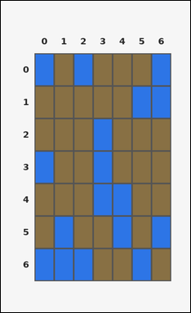 |  | task_tile_pattern_match3_run_count | cols | Work from the labeled rectangular tile board in the image. It has 7 rows and 7 columns with visible row and column indices. Determine how many columns have at least one consecutive blue [#2D75E6] run of length 3 or greater. Return a valid JSON object with keys "evidence" and "answer" in that order. Evidence requirement: set "evidence" to the row-major list of [row, col] coordinates for one canonical 3-tile witness run from each counted line. Answer format: set "answer" to the number of qualifying rows or columns as an integer. Example JSON: {"evidence":[[0,1],[0,3],[1,1],[1,3],[2,1],[2,3]],"answer":2} | Work from the labeled rectangular tile board in the image. It has 7 rows and 7 columns with visible row and column indices. Determine how many columns have at least one consecutive blue [#2D75E6] run of length 3 or greater. Return a valid JSON object with key "answer". Answer requirement: set "answer" to the number of qualifying rows or columns as an integer. Example JSON: {"answer":2} | {"evidence": [[2, 3], [3, 3], [4, 3]], "answer": 1} | [[2, 3], [3, 3], [4, 3]] | integer | grid_point_set | 248092332551007 | tile/task_tile_pattern_match3_run_count/images/cols/0001.png | tile/task_tile_pattern_match3_run_count/data/cols/0001.json
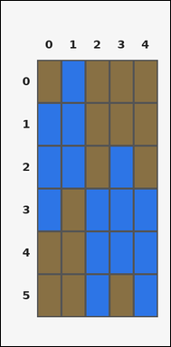 | 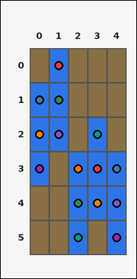 | task_tile_pattern_match3_run_count | cols | Look at the rectangular tile board with 6 rows and 5 columns. The board uses row labels on the left and column labels on the top. Find the number of columns that contain at least one contiguous blue [#2D75E6] segment of length 3 or more. Return a valid JSON object with keys "evidence" and "answer" in that order. Evidence format: set "evidence" to the row-major list of [row, col] coordinates for one canonical 3-tile witness run from each counted line. Answer requirement: set "answer" to the number of qualifying rows or columns as an integer. Example JSON: {"evidence":[[0,1],[0,3],[1,1],[1,3],[2,1],[2,3]],"answer":2} | Look at the rectangular tile board with 6 rows and 5 columns. The board uses row labels on the left and column labels on the top. Find the number of columns that contain at least one contiguous blue [#2D75E6] segment of length 3 or more. Return a valid JSON object with key "answer". Answer format: set "answer" to the number of qualifying rows or columns as an integer. Example JSON: {"answer":2} | {"evidence": [[0, 1], [1, 0], [1, 1], [2, 0], [2, 1], [2, 3], [3, 0], [3, 2], [3, 3], [3, 4], [4, 2], [4, 3], [4, 4], [5, 2], [5, 4]], "answer": 5} | [[0, 1], [1, 0], [1, 1], [2, 0], [2, 1], [2, 3], [3, 0], [3, 2], [3, 3], [3, 4], [4, 2], [4, 3], [4, 4], [5, 2], [5, 4]] | integer | grid_point_set | 537329802580414 | tile/task_tile_pattern_match3_run_count/images/cols/0023.png | tile/task_tile_pattern_match3_run_count/data/cols/0023.json
 |  | task_tile_pattern_match3_run_count | cols | Use the single rectangular tile board in the image. It has 3 rows and 6 columns, with rows labeled on the left and columns labeled on the top. Find the number of columns that contain at least one contiguous yellow [#D4C21E] segment of length 3 or more. Return a valid JSON object with keys "evidence" and "answer" in that order. Evidence requirement: set "evidence" to the row-major list of [row, col] coordinates for one canonical 3-tile witness run from each counted line. Answer format: set "answer" to the number of qualifying rows or columns as an integer. Example JSON: {"evidence":[[0,1],[0,3],[1,1],[1,3],[2,1],[2,3]],"answer":2} | Use the single rectangular tile board in the image. It has 3 rows and 6 columns, with rows labeled on the left and columns labeled on the top. Find the number of columns that contain at least one contiguous yellow [#D4C21E] segment of length 3 or more. Return a valid JSON object with key "answer". Answer format: set "answer" to the number of qualifying rows or columns as an integer. Example JSON: {"answer":2} | {"evidence": [[0, 0], [1, 0], [2, 0]], "answer": 1} | [[0, 0], [1, 0], [2, 0]] | integer | grid_point_set | 637623598262717 | tile/task_tile_pattern_match3_run_count/images/cols/0022.png | tile/task_tile_pattern_match3_run_count/data/cols/0022.json
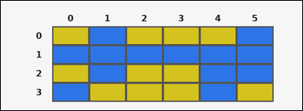 |  | task_tile_pattern_match3_run_count | cols | You are given one rectangular tile board on a 4 by 6 grid. Read rows from the left labels and columns from the top labels. Count the columns that include a contiguous run of at least 3 blue [#2D75E6] tiles. Return a valid JSON object with keys "evidence" and "answer" in that order. Evidence: set "evidence" to the row-major list of [row, col] coordinates for one canonical 3-tile witness run from each counted line. Answer: set "answer" to the number of qualifying rows or columns as an integer. Example JSON: {"evidence":[[0,1],[0,3],[1,1],[1,3],[2,1],[2,3]],"answer":2} | You are given one rectangular tile board on a 4 by 6 grid. Read rows from the left labels and columns from the top labels. Count the columns that include a contiguous run of at least 3 blue [#2D75E6] tiles. Return a valid JSON object with key "answer". Answer format: set "answer" to the number of qualifying rows or columns as an integer. Example JSON: {"answer":2} | {"evidence": [[0, 1], [0, 5], [1, 1], [1, 4], [1, 5], [2, 1], [2, 4], [2, 5], [3, 4]], "answer": 3} | [[0, 1], [0, 5], [1, 1], [1, 4], [1, 5], [2, 1], [2, 4], [2, 5], [3, 4]] | integer | grid_point_set | 1.1636050937E+15 | tile/task_tile_pattern_match3_run_count/images/cols/0010.png | tile/task_tile_pattern_match3_run_count/data/cols/0010.json
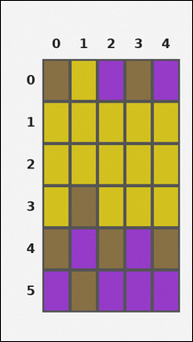 | 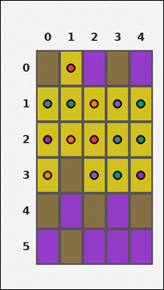 | task_tile_pattern_match3_run_count | cols | Work from the labeled rectangular tile board in the image. It has 6 rows and 5 columns with visible row and column indices. Find the number of columns that contain at least one contiguous yellow [#D4C21E] segment of length 3 or more. Return a valid JSON object with keys "evidence" and "answer" in that order. Evidence requirement: set "evidence" to the row-major list of [row, col] coordinates for one canonical 3-tile witness run from each counted line. Answer format: set "answer" to the number of qualifying rows or columns as an integer. Example JSON: {"evidence":[[0,1],[0,3],[1,1],[1,3],[2,1],[2,3]],"answer":2} | Work from the labeled rectangular tile board in the image. It has 6 rows and 5 columns with visible row and column indices. Find the number of columns that contain at least one contiguous yellow [#D4C21E] segment of length 3 or more. Return a valid JSON object with key "answer". Answer format: set "answer" to the number of qualifying rows or columns as an integer. Example JSON: {"answer":2} | {"evidence": [[0, 1], [1, 0], [1, 1], [1, 2], [1, 3], [1, 4], [2, 0], [2, 1], [2, 2], [2, 3], [2, 4], [3, 0], [3, 2], [3, 3], [3, 4]], "answer": 5} | [[0, 1], [1, 0], [1, 1], [1, 2], [1, 3], [1, 4], [2, 0], [2, 1], [2, 2], [2, 3], [2, 4], [3, 0], [3, 2], [3, 3], [3, 4]] | integer | grid_point_set | 2.6540355044E+15 | tile/task_tile_pattern_match3_run_count/images/cols/0008.png | tile/task_tile_pattern_match3_run_count/data/cols/0008.json
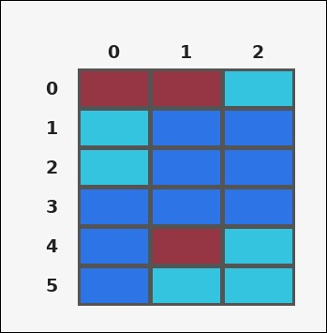 | 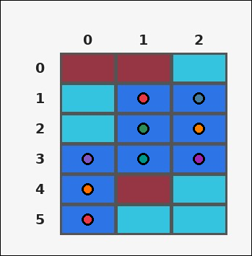 | task_tile_pattern_match3_run_count | cols | Work from the labeled rectangular tile board in the image. It has 6 rows and 3 columns with visible row and column indices. Find the number of columns that contain at least one contiguous blue [#2D75E6] segment of length 3 or more. Return a valid JSON object with keys "evidence" and "answer" in that order. Evidence: set "evidence" to the row-major list of [row, col] coordinates for one canonical 3-tile witness run from each counted line. Answer: set "answer" to the number of qualifying rows or columns as an integer. Example JSON: {"evidence":[[0,1],[0,3],[1,1],[1,3],[2,1],[2,3]],"answer":2} | Work from the labeled rectangular tile board in the image. It has 6 rows and 3 columns with visible row and column indices. Find the number of columns that contain at least one contiguous blue [#2D75E6] segment of length 3 or more. Return a valid JSON object with key "answer". Answer field: set "answer" to the number of qualifying rows or columns as an integer. Example JSON: {"answer":2} | {"evidence": [[1, 1], [1, 2], [2, 1], [2, 2], [3, 0], [3, 1], [3, 2], [4, 0], [5, 0]], "answer": 3} | [[1, 1], [1, 2], [2, 1], [2, 2], [3, 0], [3, 1], [3, 2], [4, 0], [5, 0]] | integer | grid_point_set | 2.7306173158E+15 | tile/task_tile_pattern_match3_run_count/images/cols/0013.png | tile/task_tile_pattern_match3_run_count/data/cols/0013.json
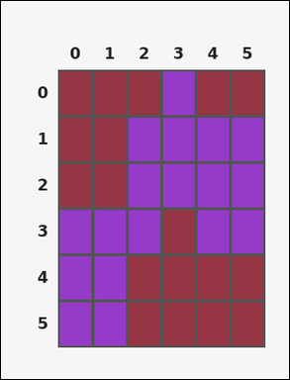 |  | task_tile_pattern_match3_run_count | cols | Work from the labeled rectangular tile board in the image. It has 6 rows and 6 columns with visible row and column indices. Count the columns that include a contiguous run of at least 3 purple [#963ACA] tiles. Return a valid JSON object with keys "evidence" and "answer" in that order. Evidence field: set "evidence" to the row-major list of [row, col] coordinates for one canonical 3-tile witness run from each counted line. Answer field: set "answer" to the number of qualifying rows or columns as an integer. Example JSON: {"evidence":[[0,1],[0,3],[1,1],[1,3],[2,1],[2,3]],"answer":2} | Work from the labeled rectangular tile board in the image. It has 6 rows and 6 columns with visible row and column indices. Count the columns that include a contiguous run of at least 3 purple [#963ACA] tiles. Return a valid JSON object with key "answer". Answer: set "answer" to the number of qualifying rows or columns as an integer. Example JSON: {"answer":2} | {"evidence": [[0, 3], [1, 2], [1, 3], [1, 4], [1, 5], [2, 2], [2, 3], [2, 4], [2, 5], [3, 0], [3, 1], [3, 2], [3, 4], [3, 5], [4, 0], [4, 1], [5, 0], [5, 1]], "answer": 6} | [[0, 3], [1, 2], [1, 3], [1, 4], [1, 5], [2, 2], [2, 3], [2, 4], [2, 5], [3, 0], [3, 1], [3, 2], [3, 4], [3, 5], [4, 0], [4, 1], [5, 0], [5, 1]] | integer | grid_point_set | 2.9472497399E+15 | tile/task_tile_pattern_match3_run_count/images/cols/0015.png | tile/task_tile_pattern_match3_run_count/data/cols/0015.json
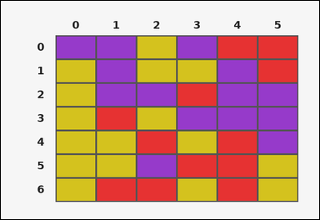 |  | task_tile_pattern_match3_run_count | cols | You are given one rectangular tile board on a 7 by 6 grid. Read rows from the left labels and columns from the top labels. Determine how many columns have at least one consecutive purple [#963ACA] run of length 3 or greater. Return a valid JSON object with keys "evidence" and "answer" in that order. Evidence rule: set "evidence" to the row-major list of [row, col] coordinates for one canonical 3-tile witness run from each counted line. Answer rule: set "answer" to the number of qualifying rows or columns as an integer. Example JSON: {"evidence":[[0,1],[0,3],[1,1],[1,3],[2,1],[2,3]],"answer":2} | You are given one rectangular tile board on a 7 by 6 grid. Read rows from the left labels and columns from the top labels. Determine how many columns have at least one consecutive purple [#963ACA] run of length 3 or greater. Return a valid JSON object with key "answer". Answer requirement: set "answer" to the number of qualifying rows or columns as an integer. Example JSON: {"answer":2} | {"evidence": [[0, 1], [1, 1], [1, 4], [2, 1], [2, 4], [2, 5], [3, 4], [3, 5], [4, 5]], "answer": 3} | [[0, 1], [1, 1], [1, 4], [2, 1], [2, 4], [2, 5], [3, 4], [3, 5], [4, 5]] | integer | grid_point_set | 3.2223608376E+15 | tile/task_tile_pattern_match3_run_count/images/cols/0012.png | tile/task_tile_pattern_match3_run_count/data/cols/0012.json
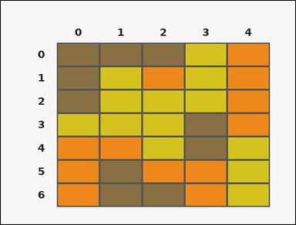 |  | task_tile_pattern_match3_run_count | cols | Use the single rectangular tile board in the image. It has 7 rows and 5 columns, with rows labeled on the left and columns labeled on the top. How many columns contain at least one run of 3 or more consecutive yellow [#D4C21E] tiles? Return a valid JSON object with keys "evidence" and "answer" in that order. Evidence format: set "evidence" to the row-major list of [row, col] coordinates for one canonical 3-tile witness run from each counted line. Answer requirement: set "answer" to the number of qualifying rows or columns as an integer. Example JSON: {"evidence":[[0,1],[0,3],[1,1],[1,3],[2,1],[2,3]],"answer":2} | Use the single rectangular tile board in the image. It has 7 rows and 5 columns, with rows labeled on the left and columns labeled on the top. How many columns contain at least one run of 3 or more consecutive yellow [#D4C21E] tiles? Return a valid JSON object with key "answer". Answer rule: set "answer" to the number of qualifying rows or columns as an integer. Example JSON: {"answer":2} | {"evidence": [[0, 3], [1, 1], [1, 3], [2, 1], [2, 2], [2, 3], [3, 1], [3, 2], [4, 2], [4, 4], [5, 4], [6, 4]], "answer": 4} | [[0, 3], [1, 1], [1, 3], [2, 1], [2, 2], [2, 3], [3, 1], [3, 2], [4, 2], [4, 4], [5, 4], [6, 4]] | integer | grid_point_set | 3.4515704756E+15 | tile/task_tile_pattern_match3_run_count/images/cols/0011.png | tile/task_tile_pattern_match3_run_count/data/cols/0011.json
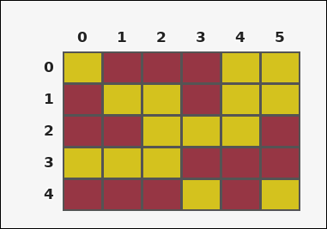 | 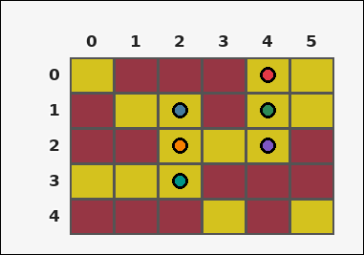 | task_tile_pattern_match3_run_count | cols | You are given one rectangular tile board on a 5 by 6 grid. Read rows from the left labels and columns from the top labels. Determine how many columns have at least one consecutive yellow [#D4C21E] run of length 3 or greater. Return a valid JSON object with keys "evidence" and "answer" in that order. Evidence field: set "evidence" to the row-major list of [row, col] coordinates for one canonical 3-tile witness run from each counted line. Answer field: set "answer" to the number of qualifying rows or columns as an integer. Example JSON: {"evidence":[[0,1],[0,3],[1,1],[1,3],[2,1],[2,3]],"answer":2} | You are given one rectangular tile board on a 5 by 6 grid. Read rows from the left labels and columns from the top labels. Determine how many columns have at least one consecutive yellow [#D4C21E] run of length 3 or greater. Return a valid JSON object with key "answer". Answer format: set "answer" to the number of qualifying rows or columns as an integer. Example JSON: {"answer":2} | {"evidence": [[0, 4], [1, 2], [1, 4], [2, 2], [2, 4], [3, 2]], "answer": 2} | [[0, 4], [1, 2], [1, 4], [2, 2], [2, 4], [3, 2]] | integer | grid_point_set | 3.5476834217E+15 | tile/task_tile_pattern_match3_run_count/images/cols/0004.png | tile/task_tile_pattern_match3_run_count/data/cols/0004.json
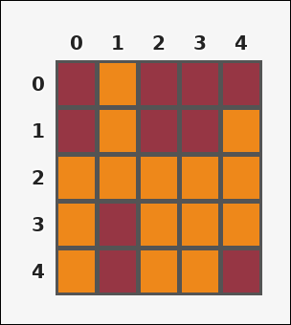 | 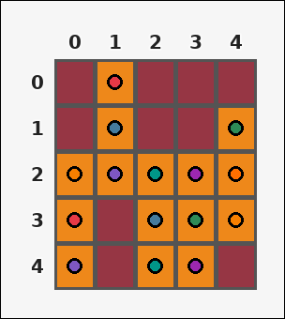 | task_tile_pattern_match3_run_count | cols | Work from the labeled rectangular tile board in the image. It has 5 rows and 5 columns with visible row and column indices. Find the number of columns that contain at least one contiguous orange [#EE881A] segment of length 3 or more. Return a valid JSON object with keys "evidence" and "answer" in that order. Evidence field: set "evidence" to the row-major list of [row, col] coordinates for one canonical 3-tile witness run from each counted line. Answer field: set "answer" to the number of qualifying rows or columns as an integer. Example JSON: {"evidence":[[0,1],[0,3],[1,1],[1,3],[2,1],[2,3]],"answer":2} | Work from the labeled rectangular tile board in the image. It has 5 rows and 5 columns with visible row and column indices. Find the number of columns that contain at least one contiguous orange [#EE881A] segment of length 3 or more. Return a valid JSON object with key "answer". Answer format: set "answer" to the number of qualifying rows or columns as an integer. Example JSON: {"answer":2} | {"evidence": [[0, 1], [1, 1], [1, 4], [2, 0], [2, 1], [2, 2], [2, 3], [2, 4], [3, 0], [3, 2], [3, 3], [3, 4], [4, 0], [4, 2], [4, 3]], "answer": 5} | [[0, 1], [1, 1], [1, 4], [2, 0], [2, 1], [2, 2], [2, 3], [2, 4], [3, 0], [3, 2], [3, 3], [3, 4], [4, 0], [4, 2], [4, 3]] | integer | grid_point_set | 4.0107592843E+15 | tile/task_tile_pattern_match3_run_count/images/cols/0005.png | tile/task_tile_pattern_match3_run_count/data/cols/0005.json
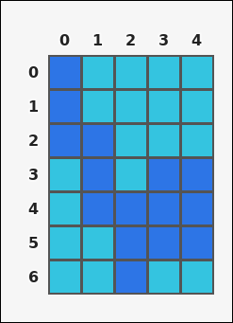 | 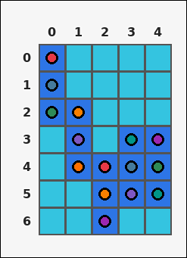 | task_tile_pattern_match3_run_count | cols | Work from the labeled rectangular tile board in the image. It has 7 rows and 5 columns with visible row and column indices. Count the columns that include a contiguous run of at least 3 blue [#2D75E6] tiles. Return a valid JSON object with keys "evidence" and "answer" in that order. Evidence: set "evidence" to the row-major list of [row, col] coordinates for one canonical 3-tile witness run from each counted line. Answer: set "answer" to the number of qualifying rows or columns as an integer. Example JSON: {"evidence":[[0,1],[0,3],[1,1],[1,3],[2,1],[2,3]],"answer":2} | Work from the labeled rectangular tile board in the image. It has 7 rows and 5 columns with visible row and column indices. Count the columns that include a contiguous run of at least 3 blue [#2D75E6] tiles. Return a valid JSON object with key "answer". Answer: set "answer" to the number of qualifying rows or columns as an integer. Example JSON: {"answer":2} | {"evidence": [[0, 0], [1, 0], [2, 0], [2, 1], [3, 1], [3, 3], [3, 4], [4, 1], [4, 2], [4, 3], [4, 4], [5, 2], [5, 3], [5, 4], [6, 2]], "answer": 5} | [[0, 0], [1, 0], [2, 0], [2, 1], [3, 1], [3, 3], [3, 4], [4, 1], [4, 2], [4, 3], [4, 4], [5, 2], [5, 3], [5, 4], [6, 2]] | integer | grid_point_set | 4.1947096509E+15 | tile/task_tile_pattern_match3_run_count/images/cols/0020.png | tile/task_tile_pattern_match3_run_count/data/cols/0020.json
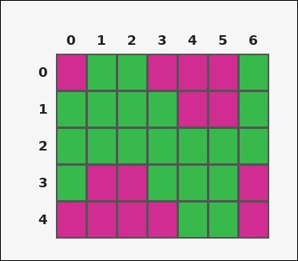 | 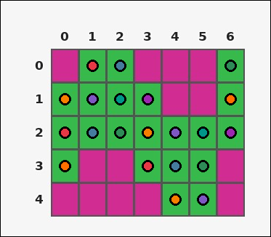 | task_tile_pattern_match3_run_count | cols | Look at the rectangular tile board with 5 rows and 7 columns. The board uses row labels on the left and column labels on the top. Count the columns that include a contiguous run of at least 3 green [#37B94B] tiles. Return a valid JSON object with keys "evidence" and "answer" in that order. Evidence requirement: set "evidence" to the row-major list of [row, col] coordinates for one canonical 3-tile witness run from each counted line. Answer format: set "answer" to the number of qualifying rows or columns as an integer. Example JSON: {"evidence":[[0,1],[0,3],[1,1],[1,3],[2,1],[2,3]],"answer":2} | Look at the rectangular tile board with 5 rows and 7 columns. The board uses row labels on the left and column labels on the top. Count the columns that include a contiguous run of at least 3 green [#37B94B] tiles. Return a valid JSON object with key "answer". Answer field: set "answer" to the number of qualifying rows or columns as an integer. Example JSON: {"answer":2} | {"evidence": [[0, 1], [0, 2], [0, 6], [1, 0], [1, 1], [1, 2], [1, 3], [1, 6], [2, 0], [2, 1], [2, 2], [2, 3], [2, 4], [2, 5], [2, 6], [3, 0], [3, 3], [3, 4], [3, 5], [4, 4], [4, 5]], "answer": 7} | [[0, 1], [0, 2], [0, 6], [1, 0], [1, 1], [1, 2], [1, 3], [1, 6], [2, 0], [2, 1], [2, 2], [2, 3], [2, 4], [2, 5], [2, 6], [3, 0], [3, 3], [3, 4], [3, 5], [4, 4], [4, 5]] | integer | grid_point_set | 4.8345402234E+15 | tile/task_tile_pattern_match3_run_count/images/cols/0007.png | tile/task_tile_pattern_match3_run_count/data/cols/0007.json
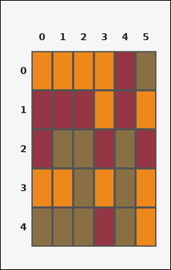 | 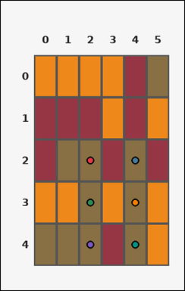 | task_tile_pattern_match3_run_count | cols | You are given one rectangular tile board on a 5 by 6 grid. Read rows from the left labels and columns from the top labels. How many columns contain at least one run of 3 or more consecutive brown [#887044] tiles? Return a valid JSON object with keys "evidence" and "answer" in that order. Evidence requirement: set "evidence" to the row-major list of [row, col] coordinates for one canonical 3-tile witness run from each counted line. Answer format: set "answer" to the number of qualifying rows or columns as an integer. Example JSON: {"evidence":[[0,1],[0,3],[1,1],[1,3],[2,1],[2,3]],"answer":2} | You are given one rectangular tile board on a 5 by 6 grid. Read rows from the left labels and columns from the top labels. How many columns contain at least one run of 3 or more consecutive brown [#887044] tiles? Return a valid JSON object with key "answer". Answer requirement: set "answer" to the number of qualifying rows or columns as an integer. Example JSON: {"answer":2} | {"evidence": [[2, 2], [2, 4], [3, 2], [3, 4], [4, 2], [4, 4]], "answer": 2} | [[2, 2], [2, 4], [3, 2], [3, 4], [4, 2], [4, 4]] | integer | grid_point_set | 4.8843378517E+15 | tile/task_tile_pattern_match3_run_count/images/cols/0014.png | tile/task_tile_pattern_match3_run_count/data/cols/0014.json
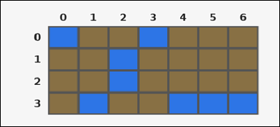 | 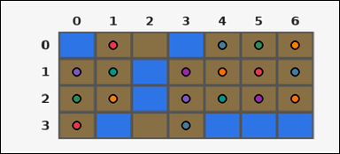 | task_tile_pattern_match3_run_count | cols | You are given one rectangular tile board on a 4 by 7 grid. Read rows from the left labels and columns from the top labels. Find the number of columns that contain at least one contiguous brown [#887044] segment of length 3 or more. Return a valid JSON object with keys "evidence" and "answer" in that order. Evidence field: set "evidence" to the row-major list of [row, col] coordinates for one canonical 3-tile witness run from each counted line. Answer field: set "answer" to the number of qualifying rows or columns as an integer. Example JSON: {"evidence":[[0,1],[0,3],[1,1],[1,3],[2,1],[2,3]],"answer":2} | You are given one rectangular tile board on a 4 by 7 grid. Read rows from the left labels and columns from the top labels. Find the number of columns that contain at least one contiguous brown [#887044] segment of length 3 or more. Return a valid JSON object with key "answer". Answer rule: set "answer" to the number of qualifying rows or columns as an integer. Example JSON: {"answer":2} | {"evidence": [[0, 1], [0, 4], [0, 5], [0, 6], [1, 0], [1, 1], [1, 3], [1, 4], [1, 5], [1, 6], [2, 0], [2, 1], [2, 3], [2, 4], [2, 5], [2, 6], [3, 0], [3, 3]], "answer": 6} | [[0, 1], [0, 4], [0, 5], [0, 6], [1, 0], [1, 1], [1, 3], [1, 4], [1, 5], [1, 6], [2, 0], [2, 1], [2, 3], [2, 4], [2, 5], [2, 6], [3, 0], [3, 3]] | integer | grid_point_set | 5.335185999E+15 | tile/task_tile_pattern_match3_run_count/images/cols/0019.png | tile/task_tile_pattern_match3_run_count/data/cols/0019.json
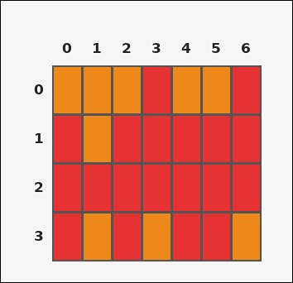 | 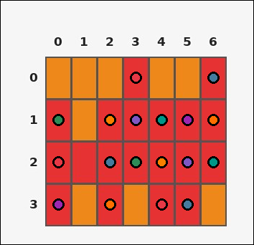 | task_tile_pattern_match3_run_count | cols | Work from the labeled rectangular tile board in the image. It has 4 rows and 7 columns with visible row and column indices. Count the columns that include a contiguous run of at least 3 red [#E63232] tiles. Return a valid JSON object with keys "evidence" and "answer" in that order. Evidence: set "evidence" to the row-major list of [row, col] coordinates for one canonical 3-tile witness run from each counted line. Answer: set "answer" to the number of qualifying rows or columns as an integer. Example JSON: {"evidence":[[0,1],[0,3],[1,1],[1,3],[2,1],[2,3]],"answer":2} | Work from the labeled rectangular tile board in the image. It has 4 rows and 7 columns with visible row and column indices. Count the columns that include a contiguous run of at least 3 red [#E63232] tiles. Return a valid JSON object with key "answer". Answer format: set "answer" to the number of qualifying rows or columns as an integer. Example JSON: {"answer":2} | {"evidence": [[0, 3], [0, 6], [1, 0], [1, 2], [1, 3], [1, 4], [1, 5], [1, 6], [2, 0], [2, 2], [2, 3], [2, 4], [2, 5], [2, 6], [3, 0], [3, 2], [3, 4], [3, 5]], "answer": 6} | [[0, 3], [0, 6], [1, 0], [1, 2], [1, 3], [1, 4], [1, 5], [1, 6], [2, 0], [2, 2], [2, 3], [2, 4], [2, 5], [2, 6], [3, 0], [3, 2], [3, 4], [3, 5]] | integer | grid_point_set | 5.3582308086E+15 | tile/task_tile_pattern_match3_run_count/images/cols/0003.png | tile/task_tile_pattern_match3_run_count/data/cols/0003.json
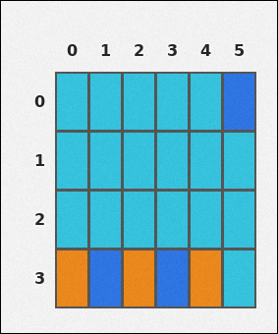 | 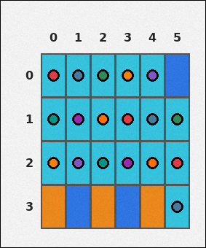 | task_tile_pattern_match3_run_count | cols | Use the single rectangular tile board in the image. It has 4 rows and 6 columns, with rows labeled on the left and columns labeled on the top. Using the queried color only, how many columns contain a run of 3+ consecutive cyan [#34C4E0] tiles? Return a valid JSON object with keys "evidence" and "answer" in that order. Evidence field: set "evidence" to the row-major list of [row, col] coordinates for one canonical 3-tile witness run from each counted line. Answer field: set "answer" to the number of qualifying rows or columns as an integer. Example JSON: {"evidence":[[0,1],[0,3],[1,1],[1,3],[2,1],[2,3]],"answer":2} | Use the single rectangular tile board in the image. It has 4 rows and 6 columns, with rows labeled on the left and columns labeled on the top. Using the queried color only, how many columns contain a run of 3+ consecutive cyan [#34C4E0] tiles? Return a valid JSON object with key "answer". Answer field: set "answer" to the number of qualifying rows or columns as an integer. Example JSON: {"answer":2} | {"evidence": [[0, 0], [0, 1], [0, 2], [0, 3], [0, 4], [1, 0], [1, 1], [1, 2], [1, 3], [1, 4], [1, 5], [2, 0], [2, 1], [2, 2], [2, 3], [2, 4], [2, 5], [3, 5]], "answer": 6} | [[0, 0], [0, 1], [0, 2], [0, 3], [0, 4], [1, 0], [1, 1], [1, 2], [1, 3], [1, 4], [1, 5], [2, 0], [2, 1], [2, 2], [2, 3], [2, 4], [2, 5], [3, 5]] | integer | grid_point_set | 5.5076550746E+15 | tile/task_tile_pattern_match3_run_count/images/cols/0006.png | tile/task_tile_pattern_match3_run_count/data/cols/0006.json
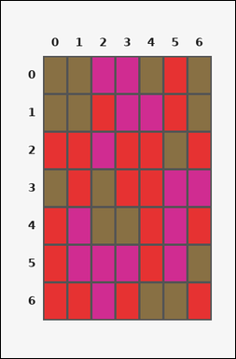 | 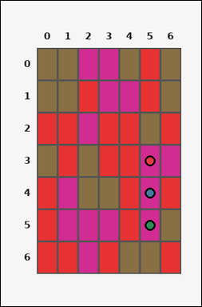 | task_tile_pattern_match3_run_count | cols | Work from the labeled rectangular tile board in the image. It has 7 rows and 7 columns with visible row and column indices. Determine how many columns have at least one consecutive magenta [#D02C91] run of length 3 or greater. Return a valid JSON object with keys "evidence" and "answer" in that order. Evidence rule: set "evidence" to the row-major list of [row, col] coordinates for one canonical 3-tile witness run from each counted line. Answer rule: set "answer" to the number of qualifying rows or columns as an integer. Example JSON: {"evidence":[[0,1],[0,3],[1,1],[1,3],[2,1],[2,3]],"answer":2} | Work from the labeled rectangular tile board in the image. It has 7 rows and 7 columns with visible row and column indices. Determine how many columns have at least one consecutive magenta [#D02C91] run of length 3 or greater. Return a valid JSON object with key "answer". Answer rule: set "answer" to the number of qualifying rows or columns as an integer. Example JSON: {"answer":2} | {"evidence": [[3, 5], [4, 5], [5, 5]], "answer": 1} | [[3, 5], [4, 5], [5, 5]] | integer | grid_point_set | 5.6847621812E+15 | tile/task_tile_pattern_match3_run_count/images/cols/0021.png | tile/task_tile_pattern_match3_run_count/data/cols/0021.json
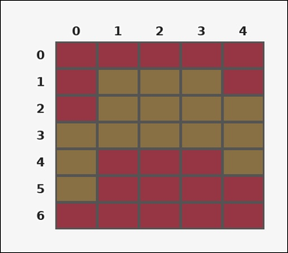 | 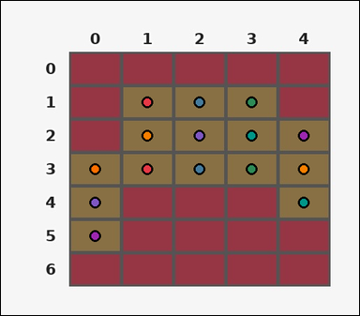 | task_tile_pattern_match3_run_count | cols | The image shows one rectangular tile board with 7 rows and 5 columns. Row labels are on the left and column labels are on the top. How many columns contain at least one run of 3 or more consecutive brown [#887044] tiles? Return a valid JSON object with keys "evidence" and "answer" in that order. Evidence: set "evidence" to the row-major list of [row, col] coordinates for one canonical 3-tile witness run from each counted line. Answer: set "answer" to the number of qualifying rows or columns as an integer. Example JSON: {"evidence":[[0,1],[0,3],[1,1],[1,3],[2,1],[2,3]],"answer":2} | The image shows one rectangular tile board with 7 rows and 5 columns. Row labels are on the left and column labels are on the top. How many columns contain at least one run of 3 or more consecutive brown [#887044] tiles? Return a valid JSON object with key "answer". Answer field: set "answer" to the number of qualifying rows or columns as an integer. Example JSON: {"answer":2} | {"evidence": [[1, 1], [1, 2], [1, 3], [2, 1], [2, 2], [2, 3], [2, 4], [3, 0], [3, 1], [3, 2], [3, 3], [3, 4], [4, 0], [4, 4], [5, 0]], "answer": 5} | [[1, 1], [1, 2], [1, 3], [2, 1], [2, 2], [2, 3], [2, 4], [3, 0], [3, 1], [3, 2], [3, 3], [3, 4], [4, 0], [4, 4], [5, 0]] | integer | grid_point_set | 6.1179699371E+15 | tile/task_tile_pattern_match3_run_count/images/cols/0009.png | tile/task_tile_pattern_match3_run_count/data/cols/0009.json
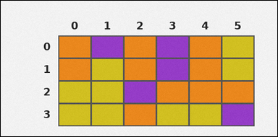 | 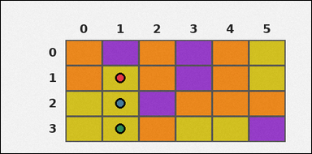 | task_tile_pattern_match3_run_count | cols | You are given one rectangular tile board on a 4 by 6 grid. Read rows from the left labels and columns from the top labels. Count the columns that include a contiguous run of at least 3 yellow [#D4C21E] tiles. Return a valid JSON object with keys "evidence" and "answer" in that order. Evidence rule: set "evidence" to the row-major list of [row, col] coordinates for one canonical 3-tile witness run from each counted line. Answer rule: set "answer" to the number of qualifying rows or columns as an integer. Example JSON: {"evidence":[[0,1],[0,3],[1,1],[1,3],[2,1],[2,3]],"answer":2} | You are given one rectangular tile board on a 4 by 6 grid. Read rows from the left labels and columns from the top labels. Count the columns that include a contiguous run of at least 3 yellow [#D4C21E] tiles. Return a valid JSON object with key "answer". Answer requirement: set "answer" to the number of qualifying rows or columns as an integer. Example JSON: {"answer":2} | {"evidence": [[1, 1], [2, 1], [3, 1]], "answer": 1} | [[1, 1], [2, 1], [3, 1]] | integer | grid_point_set | 6.7142440953E+15 | tile/task_tile_pattern_match3_run_count/images/cols/0024.png | tile/task_tile_pattern_match3_run_count/data/cols/0024.json
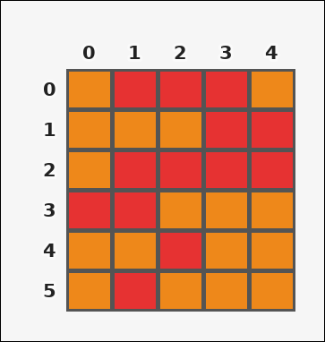 | 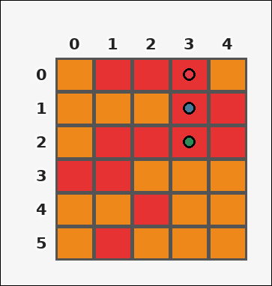 | task_tile_pattern_match3_run_count | cols | Look at the rectangular tile board with 6 rows and 5 columns. The board uses row labels on the left and column labels on the top. Find the number of columns that contain at least one contiguous red [#E63232] segment of length 3 or more. Return a valid JSON object with keys "evidence" and "answer" in that order. Evidence format: set "evidence" to the row-major list of [row, col] coordinates for one canonical 3-tile witness run from each counted line. Answer requirement: set "answer" to the number of qualifying rows or columns as an integer. Example JSON: {"evidence":[[0,1],[0,3],[1,1],[1,3],[2,1],[2,3]],"answer":2} | Look at the rectangular tile board with 6 rows and 5 columns. The board uses row labels on the left and column labels on the top. Find the number of columns that contain at least one contiguous red [#E63232] segment of length 3 or more. Return a valid JSON object with key "answer". Answer requirement: set "answer" to the number of qualifying rows or columns as an integer. Example JSON: {"answer":2} | {"evidence": [[0, 3], [1, 3], [2, 3]], "answer": 1} | [[0, 3], [1, 3], [2, 3]] | integer | grid_point_set | 7.9397880043E+15 | tile/task_tile_pattern_match3_run_count/images/cols/0000.png | tile/task_tile_pattern_match3_run_count/data/cols/0000.json
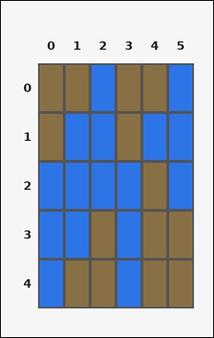 |  | task_tile_pattern_match3_run_count | cols | Look at the rectangular tile board with 5 rows and 6 columns. The board uses row labels on the left and column labels on the top. Using the queried color only, how many columns contain a run of 3+ consecutive blue [#2D75E6] tiles? Return a valid JSON object with keys "evidence" and "answer" in that order. Evidence format: set "evidence" to the row-major list of [row, col] coordinates for one canonical 3-tile witness run from each counted line. Answer requirement: set "answer" to the number of qualifying rows or columns as an integer. Example JSON: {"evidence":[[0,1],[0,3],[1,1],[1,3],[2,1],[2,3]],"answer":2} | Look at the rectangular tile board with 5 rows and 6 columns. The board uses row labels on the left and column labels on the top. Using the queried color only, how many columns contain a run of 3+ consecutive blue [#2D75E6] tiles? Return a valid JSON object with key "answer". Answer requirement: set "answer" to the number of qualifying rows or columns as an integer. Example JSON: {"answer":2} | {"evidence": [[0, 2], [0, 5], [1, 1], [1, 2], [1, 5], [2, 0], [2, 1], [2, 2], [2, 3], [2, 5], [3, 0], [3, 1], [3, 3], [4, 0], [4, 3]], "answer": 5} | [[0, 2], [0, 5], [1, 1], [1, 2], [1, 5], [2, 0], [2, 1], [2, 2], [2, 3], [2, 5], [3, 0], [3, 1], [3, 3], [4, 0], [4, 3]] | integer | grid_point_set | 8.000998151E+15 | tile/task_tile_pattern_match3_run_count/images/cols/0002.png | tile/task_tile_pattern_match3_run_count/data/cols/0002.json
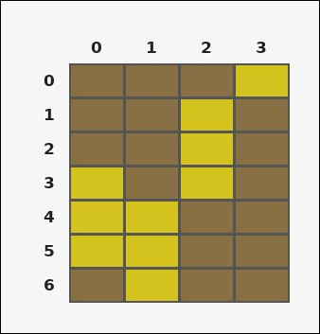 | 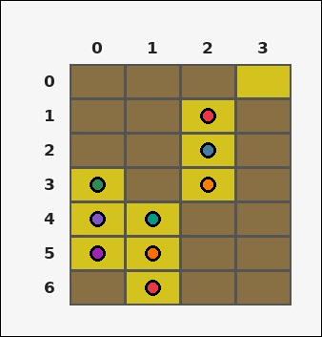 | task_tile_pattern_match3_run_count | cols | Look at the rectangular tile board with 7 rows and 4 columns. The board uses row labels on the left and column labels on the top. Using the queried color only, how many columns contain a run of 3+ consecutive yellow [#D4C21E] tiles? Return a valid JSON object with keys "evidence" and "answer" in that order. Evidence requirement: set "evidence" to the row-major list of [row, col] coordinates for one canonical 3-tile witness run from each counted line. Answer format: set "answer" to the number of qualifying rows or columns as an integer. Example JSON: {"evidence":[[0,1],[0,3],[1,1],[1,3],[2,1],[2,3]],"answer":2} | Look at the rectangular tile board with 7 rows and 4 columns. The board uses row labels on the left and column labels on the top. Using the queried color only, how many columns contain a run of 3+ consecutive yellow [#D4C21E] tiles? Return a valid JSON object with key "answer". Answer field: set "answer" to the number of qualifying rows or columns as an integer. Example JSON: {"answer":2} | {"evidence": [[1, 2], [2, 2], [3, 0], [3, 2], [4, 0], [4, 1], [5, 0], [5, 1], [6, 1]], "answer": 3} | [[1, 2], [2, 2], [3, 0], [3, 2], [4, 0], [4, 1], [5, 0], [5, 1], [6, 1]] | integer | grid_point_set | 8.174357205E+15 | tile/task_tile_pattern_match3_run_count/images/cols/0016.png | tile/task_tile_pattern_match3_run_count/data/cols/0016.json
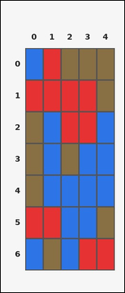 | 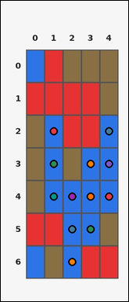 | task_tile_pattern_match3_run_count | cols | Use the single rectangular tile board in the image. It has 7 rows and 5 columns, with rows labeled on the left and columns labeled on the top. Using the queried color only, how many columns contain a run of 3+ consecutive blue [#2D75E6] tiles? Return a valid JSON object with keys "evidence" and "answer" in that order. Evidence rule: set "evidence" to the row-major list of [row, col] coordinates for one canonical 3-tile witness run from each counted line. Answer rule: set "answer" to the number of qualifying rows or columns as an integer. Example JSON: {"evidence":[[0,1],[0,3],[1,1],[1,3],[2,1],[2,3]],"answer":2} | Use the single rectangular tile board in the image. It has 7 rows and 5 columns, with rows labeled on the left and columns labeled on the top. Using the queried color only, how many columns contain a run of 3+ consecutive blue [#2D75E6] tiles? Return a valid JSON object with key "answer". Answer requirement: set "answer" to the number of qualifying rows or columns as an integer. Example JSON: {"answer":2} | {"evidence": [[2, 1], [2, 4], [3, 1], [3, 3], [3, 4], [4, 1], [4, 2], [4, 3], [4, 4], [5, 2], [5, 3], [6, 2]], "answer": 4} | [[2, 1], [2, 4], [3, 1], [3, 3], [3, 4], [4, 1], [4, 2], [4, 3], [4, 4], [5, 2], [5, 3], [6, 2]] | integer | grid_point_set | 8.6304667943E+15 | tile/task_tile_pattern_match3_run_count/images/cols/0018.png | tile/task_tile_pattern_match3_run_count/data/cols/0018.json
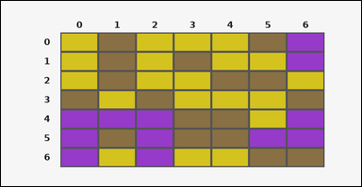 |  | task_tile_pattern_match3_run_count | cols | You are given one rectangular tile board on a 7 by 7 grid. Read rows from the left labels and columns from the top labels. Using the queried color only, how many columns contain a run of 3+ consecutive yellow [#D4C21E] tiles? Return a valid JSON object with keys "evidence" and "answer" in that order. Evidence format: set "evidence" to the row-major list of [row, col] coordinates for one canonical 3-tile witness run from each counted line. Answer requirement: set "answer" to the number of qualifying rows or columns as an integer. Example JSON: {"evidence":[[0,1],[0,3],[1,1],[1,3],[2,1],[2,3]],"answer":2} | You are given one rectangular tile board on a 7 by 7 grid. Read rows from the left labels and columns from the top labels. Using the queried color only, how many columns contain a run of 3+ consecutive yellow [#D4C21E] tiles? Return a valid JSON object with key "answer". Answer format: set "answer" to the number of qualifying rows or columns as an integer. Example JSON: {"answer":2} | {"evidence": [[0, 0], [0, 2], [1, 0], [1, 2], [2, 0], [2, 2]], "answer": 2} | [[0, 0], [0, 2], [1, 0], [1, 2], [2, 0], [2, 2]] | integer | grid_point_set | 8.9535646494E+15 | tile/task_tile_pattern_match3_run_count/images/cols/0017.png | tile/task_tile_pattern_match3_run_count/data/cols/0017.json

rows
image | evidence_image | task | task_variant | prompt | prompt_answer_only | answer | answer_evidence | answer_type | evidence_type | instance_seed | image_path | data_path
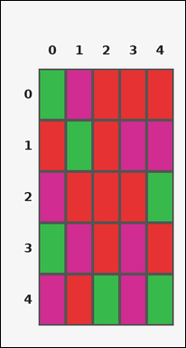 |  | task_tile_pattern_match3_run_count | rows | Look at the rectangular tile board with 5 rows and 5 columns. The board uses row labels on the left and column labels on the top. Count the rows that include a contiguous run of at least 3 red [#E63232] tiles. Return a valid JSON object with keys "evidence" and "answer" in that order. Evidence: set "evidence" to the row-major list of [row, col] coordinates for one canonical 3-tile witness run from each counted line. Answer: set "answer" to the number of qualifying rows or columns as an integer. Example JSON: {"evidence":[[0,1],[0,2],[0,3],[2,0],[2,1],[2,2]],"answer":2} | Look at the rectangular tile board with 5 rows and 5 columns. The board uses row labels on the left and column labels on the top. Count the rows that include a contiguous run of at least 3 red [#E63232] tiles. Return a valid JSON object with key "answer". Answer requirement: set "answer" to the number of qualifying rows or columns as an integer. Example JSON: {"answer":2} | {"evidence": [[0, 2], [0, 3], [0, 4], [2, 1], [2, 2], [2, 3]], "answer": 2} | [[0, 2], [0, 3], [0, 4], [2, 1], [2, 2], [2, 3]] | integer | grid_point_set | 29252416656274 | tile/task_tile_pattern_match3_run_count/images/rows/0002.png | tile/task_tile_pattern_match3_run_count/data/rows/0002.json
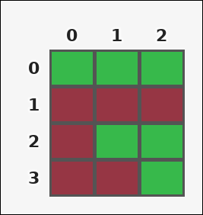 | 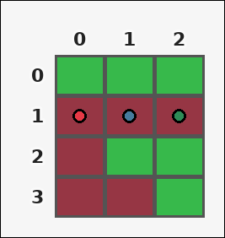 | task_tile_pattern_match3_run_count | rows | The image shows one rectangular tile board with 4 rows and 3 columns. Row labels are on the left and column labels are on the top. Using the queried color only, how many rows contain a run of 3+ consecutive maroon [#963644] tiles? Return a valid JSON object with keys "evidence" and "answer" in that order. Evidence format: set "evidence" to the row-major list of [row, col] coordinates for one canonical 3-tile witness run from each counted line. Answer requirement: set "answer" to the number of qualifying rows or columns as an integer. Example JSON: {"evidence":[[0,1],[0,2],[0,3],[2,0],[2,1],[2,2]],"answer":2} | The image shows one rectangular tile board with 4 rows and 3 columns. Row labels are on the left and column labels are on the top. Using the queried color only, how many rows contain a run of 3+ consecutive maroon [#963644] tiles? Return a valid JSON object with key "answer". Answer: set "answer" to the number of qualifying rows or columns as an integer. Example JSON: {"answer":2} | {"evidence": [[1, 0], [1, 1], [1, 2]], "answer": 1} | [[1, 0], [1, 1], [1, 2]] | integer | grid_point_set | 209091134968389 | tile/task_tile_pattern_match3_run_count/images/rows/0017.png | tile/task_tile_pattern_match3_run_count/data/rows/0017.json
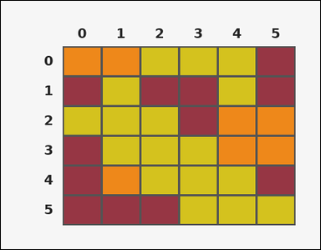 | 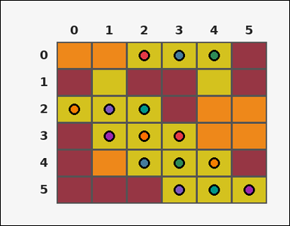 | task_tile_pattern_match3_run_count | rows | You are given one rectangular tile board on a 6 by 6 grid. Read rows from the left labels and columns from the top labels. Find the number of rows that contain at least one contiguous yellow [#D4C21E] segment of length 3 or more. Return a valid JSON object with keys "evidence" and "answer" in that order. Evidence: set "evidence" to the row-major list of [row, col] coordinates for one canonical 3-tile witness run from each counted line. Answer: set "answer" to the number of qualifying rows or columns as an integer. Example JSON: {"evidence":[[0,1],[0,2],[0,3],[2,0],[2,1],[2,2]],"answer":2} | You are given one rectangular tile board on a 6 by 6 grid. Read rows from the left labels and columns from the top labels. Find the number of rows that contain at least one contiguous yellow [#D4C21E] segment of length 3 or more. Return a valid JSON object with key "answer". Answer format: set "answer" to the number of qualifying rows or columns as an integer. Example JSON: {"answer":2} | {"evidence": [[0, 2], [0, 3], [0, 4], [2, 0], [2, 1], [2, 2], [3, 1], [3, 2], [3, 3], [4, 2], [4, 3], [4, 4], [5, 3], [5, 4], [5, 5]], "answer": 5} | [[0, 2], [0, 3], [0, 4], [2, 0], [2, 1], [2, 2], [3, 1], [3, 2], [3, 3], [4, 2], [4, 3], [4, 4], [5, 3], [5, 4], [5, 5]] | integer | grid_point_set | 321573909334737 | tile/task_tile_pattern_match3_run_count/images/rows/0016.png | tile/task_tile_pattern_match3_run_count/data/rows/0016.json
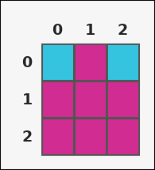 | 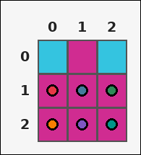 | task_tile_pattern_match3_run_count | rows | Look at the rectangular tile board with 3 rows and 3 columns. The board uses row labels on the left and column labels on the top. How many rows contain at least one run of 3 or more consecutive magenta [#D02C91] tiles? Return a valid JSON object with keys "evidence" and "answer" in that order. Evidence requirement: set "evidence" to the row-major list of [row, col] coordinates for one canonical 3-tile witness run from each counted line. Answer format: set "answer" to the number of qualifying rows or columns as an integer. Example JSON: {"evidence":[[0,1],[0,2],[0,3],[2,0],[2,1],[2,2]],"answer":2} | Look at the rectangular tile board with 3 rows and 3 columns. The board uses row labels on the left and column labels on the top. How many rows contain at least one run of 3 or more consecutive magenta [#D02C91] tiles? Return a valid JSON object with key "answer". Answer format: set "answer" to the number of qualifying rows or columns as an integer. Example JSON: {"answer":2} | {"evidence": [[1, 0], [1, 1], [1, 2], [2, 0], [2, 1], [2, 2]], "answer": 2} | [[1, 0], [1, 1], [1, 2], [2, 0], [2, 1], [2, 2]] | integer | grid_point_set | 810081623166315 | tile/task_tile_pattern_match3_run_count/images/rows/0014.png | tile/task_tile_pattern_match3_run_count/data/rows/0014.json
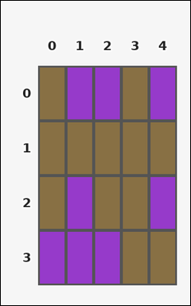 |  | task_tile_pattern_match3_run_count | rows | The image shows one rectangular tile board with 4 rows and 5 columns. Row labels are on the left and column labels are on the top. Count the rows that include a contiguous run of at least 3 purple [#963ACA] tiles. Return a valid JSON object with keys "evidence" and "answer" in that order. Evidence format: set "evidence" to the row-major list of [row, col] coordinates for one canonical 3-tile witness run from each counted line. Answer requirement: set "answer" to the number of qualifying rows or columns as an integer. Example JSON: {"evidence":[[0,1],[0,2],[0,3],[2,0],[2,1],[2,2]],"answer":2} | The image shows one rectangular tile board with 4 rows and 5 columns. Row labels are on the left and column labels are on the top. Count the rows that include a contiguous run of at least 3 purple [#963ACA] tiles. Return a valid JSON object with key "answer". Answer format: set "answer" to the number of qualifying rows or columns as an integer. Example JSON: {"answer":2} | {"evidence": [[3, 0], [3, 1], [3, 2]], "answer": 1} | [[3, 0], [3, 1], [3, 2]] | integer | grid_point_set | 1.0051552167E+15 | tile/task_tile_pattern_match3_run_count/images/rows/0008.png | tile/task_tile_pattern_match3_run_count/data/rows/0008.json
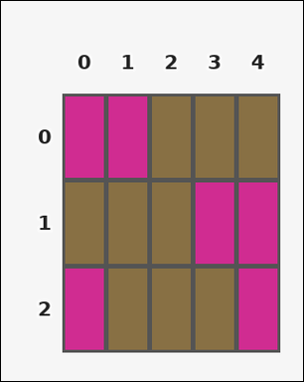 |  | task_tile_pattern_match3_run_count | rows | The image shows one rectangular tile board with 3 rows and 5 columns. Row labels are on the left and column labels are on the top. Find the number of rows that contain at least one contiguous brown [#887044] segment of length 3 or more. Return a valid JSON object with keys "evidence" and "answer" in that order. Evidence rule: set "evidence" to the row-major list of [row, col] coordinates for one canonical 3-tile witness run from each counted line. Answer rule: set "answer" to the number of qualifying rows or columns as an integer. Example JSON: {"evidence":[[0,1],[0,2],[0,3],[2,0],[2,1],[2,2]],"answer":2} | The image shows one rectangular tile board with 3 rows and 5 columns. Row labels are on the left and column labels are on the top. Find the number of rows that contain at least one contiguous brown [#887044] segment of length 3 or more. Return a valid JSON object with key "answer". Answer format: set "answer" to the number of qualifying rows or columns as an integer. Example JSON: {"answer":2} | {"evidence": [[0, 2], [0, 3], [0, 4], [1, 0], [1, 1], [1, 2], [2, 1], [2, 2], [2, 3]], "answer": 3} | [[0, 2], [0, 3], [0, 4], [1, 0], [1, 1], [1, 2], [2, 1], [2, 2], [2, 3]] | integer | grid_point_set | 1.4803771335E+15 | tile/task_tile_pattern_match3_run_count/images/rows/0003.png | tile/task_tile_pattern_match3_run_count/data/rows/0003.json
 |  | task_tile_pattern_match3_run_count | rows | Use the single rectangular tile board in the image. It has 7 rows and 6 columns, with rows labeled on the left and columns labeled on the top. Determine how many rows have at least one consecutive brown [#887044] run of length 3 or greater. Return a valid JSON object with keys "evidence" and "answer" in that order. Evidence requirement: set "evidence" to the row-major list of [row, col] coordinates for one canonical 3-tile witness run from each counted line. Answer format: set "answer" to the number of qualifying rows or columns as an integer. Example JSON: {"evidence":[[0,1],[0,2],[0,3],[2,0],[2,1],[2,2]],"answer":2} | Use the single rectangular tile board in the image. It has 7 rows and 6 columns, with rows labeled on the left and columns labeled on the top. Determine how many rows have at least one consecutive brown [#887044] run of length 3 or greater. Return a valid JSON object with key "answer". Answer field: set "answer" to the number of qualifying rows or columns as an integer. Example JSON: {"answer":2} | {"evidence": [[1, 1], [1, 2], [1, 3], [3, 1], [3, 2], [3, 3], [4, 3], [4, 4], [4, 5], [5, 1], [5, 2], [5, 3]], "answer": 4} | [[1, 1], [1, 2], [1, 3], [3, 1], [3, 2], [3, 3], [4, 3], [4, 4], [4, 5], [5, 1], [5, 2], [5, 3]] | integer | grid_point_set | 1.5833203827E+15 | tile/task_tile_pattern_match3_run_count/images/rows/0018.png | tile/task_tile_pattern_match3_run_count/data/rows/0018.json
 |  | task_tile_pattern_match3_run_count | rows | The image shows one rectangular tile board with 4 rows and 3 columns. Row labels are on the left and column labels are on the top. Using the queried color only, how many rows contain a run of 3+ consecutive magenta [#D02C91] tiles? Return a valid JSON object with keys "evidence" and "answer" in that order. Evidence format: set "evidence" to the row-major list of [row, col] coordinates for one canonical 3-tile witness run from each counted line. Answer requirement: set "answer" to the number of qualifying rows or columns as an integer. Example JSON: {"evidence":[[0,1],[0,2],[0,3],[2,0],[2,1],[2,2]],"answer":2} | The image shows one rectangular tile board with 4 rows and 3 columns. Row labels are on the left and column labels are on the top. Using the queried color only, how many rows contain a run of 3+ consecutive magenta [#D02C91] tiles? Return a valid JSON object with key "answer". Answer: set "answer" to the number of qualifying rows or columns as an integer. Example JSON: {"answer":2} | {"evidence": [[1, 0], [1, 1], [1, 2]], "answer": 1} | [[1, 0], [1, 1], [1, 2]] | integer | grid_point_set | 1.7069668483E+15 | tile/task_tile_pattern_match3_run_count/images/rows/0024.png | tile/task_tile_pattern_match3_run_count/data/rows/0024.json
 |  | task_tile_pattern_match3_run_count | rows | Look at the rectangular tile board with 4 rows and 6 columns. The board uses row labels on the left and column labels on the top. Using the queried color only, how many rows contain a run of 3+ consecutive orange [#EE881A] tiles? Return a valid JSON object with keys "evidence" and "answer" in that order. Evidence: set "evidence" to the row-major list of [row, col] coordinates for one canonical 3-tile witness run from each counted line. Answer: set "answer" to the number of qualifying rows or columns as an integer. Example JSON: {"evidence":[[0,1],[0,2],[0,3],[2,0],[2,1],[2,2]],"answer":2} | Look at the rectangular tile board with 4 rows and 6 columns. The board uses row labels on the left and column labels on the top. Using the queried color only, how many rows contain a run of 3+ consecutive orange [#EE881A] tiles? Return a valid JSON object with key "answer". Answer: set "answer" to the number of qualifying rows or columns as an integer. Example JSON: {"answer":2} | {"evidence": [[0, 0], [0, 1], [0, 2], [3, 3], [3, 4], [3, 5]], "answer": 2} | [[0, 0], [0, 1], [0, 2], [3, 3], [3, 4], [3, 5]] | integer | grid_point_set | 1.7848008128E+15 | tile/task_tile_pattern_match3_run_count/images/rows/0006.png | tile/task_tile_pattern_match3_run_count/data/rows/0006.json
 |  | task_tile_pattern_match3_run_count | rows | Look at the rectangular tile board with 6 rows and 3 columns. The board uses row labels on the left and column labels on the top. Count the rows that include a contiguous run of at least 3 green [#37B94B] tiles. Return a valid JSON object with keys "evidence" and "answer" in that order. Evidence requirement: set "evidence" to the row-major list of [row, col] coordinates for one canonical 3-tile witness run from each counted line. Answer format: set "answer" to the number of qualifying rows or columns as an integer. Example JSON: {"evidence":[[0,1],[0,2],[0,3],[2,0],[2,1],[2,2]],"answer":2} | Look at the rectangular tile board with 6 rows and 3 columns. The board uses row labels on the left and column labels on the top. Count the rows that include a contiguous run of at least 3 green [#37B94B] tiles. Return a valid JSON object with key "answer". Answer field: set "answer" to the number of qualifying rows or columns as an integer. Example JSON: {"answer":2} | {"evidence": [[1, 0], [1, 1], [1, 2], [2, 0], [2, 1], [2, 2], [5, 0], [5, 1], [5, 2]], "answer": 3} | [[1, 0], [1, 1], [1, 2], [2, 0], [2, 1], [2, 2], [5, 0], [5, 1], [5, 2]] | integer | grid_point_set | 1.8134708672E+15 | tile/task_tile_pattern_match3_run_count/images/rows/0015.png | tile/task_tile_pattern_match3_run_count/data/rows/0015.json
 |  | task_tile_pattern_match3_run_count | rows | You are given one rectangular tile board on a 7 by 3 grid. Read rows from the left labels and columns from the top labels. Count the rows that include a contiguous run of at least 3 purple [#963ACA] tiles. Return a valid JSON object with keys "evidence" and "answer" in that order. Evidence field: set "evidence" to the row-major list of [row, col] coordinates for one canonical 3-tile witness run from each counted line. Answer field: set "answer" to the number of qualifying rows or columns as an integer. Example JSON: {"evidence":[[0,1],[0,2],[0,3],[2,0],[2,1],[2,2]],"answer":2} | You are given one rectangular tile board on a 7 by 3 grid. Read rows from the left labels and columns from the top labels. Count the rows that include a contiguous run of at least 3 purple [#963ACA] tiles. Return a valid JSON object with key "answer". Answer rule: set "answer" to the number of qualifying rows or columns as an integer. Example JSON: {"answer":2} | {"evidence": [[3, 0], [3, 1], [3, 2], [5, 0], [5, 1], [5, 2], [6, 0], [6, 1], [6, 2]], "answer": 3} | [[3, 0], [3, 1], [3, 2], [5, 0], [5, 1], [5, 2], [6, 0], [6, 1], [6, 2]] | integer | grid_point_set | 1.8825111979E+15 | tile/task_tile_pattern_match3_run_count/images/rows/0009.png | tile/task_tile_pattern_match3_run_count/data/rows/0009.json
 |  | task_tile_pattern_match3_run_count | rows | Look at the rectangular tile board with 7 rows and 7 columns. The board uses row labels on the left and column labels on the top. How many rows contain at least one run of 3 or more consecutive cyan [#34C4E0] tiles? Return a valid JSON object with keys "evidence" and "answer" in that order. Evidence rule: set "evidence" to the row-major list of [row, col] coordinates for one canonical 3-tile witness run from each counted line. Answer rule: set "answer" to the number of qualifying rows or columns as an integer. Example JSON: {"evidence":[[0,1],[0,2],[0,3],[2,0],[2,1],[2,2]],"answer":2} | Look at the rectangular tile board with 7 rows and 7 columns. The board uses row labels on the left and column labels on the top. How many rows contain at least one run of 3 or more consecutive cyan [#34C4E0] tiles? Return a valid JSON object with key "answer". Answer: set "answer" to the number of qualifying rows or columns as an integer. Example JSON: {"answer":2} | {"evidence": [[2, 3], [2, 4], [2, 5], [6, 0], [6, 1], [6, 2]], "answer": 2} | [[2, 3], [2, 4], [2, 5], [6, 0], [6, 1], [6, 2]] | integer | grid_point_set | 2.1240798752E+15 | tile/task_tile_pattern_match3_run_count/images/rows/0011.png | tile/task_tile_pattern_match3_run_count/data/rows/0011.json
 |  | task_tile_pattern_match3_run_count | rows | The image shows one rectangular tile board with 5 rows and 5 columns. Row labels are on the left and column labels are on the top. How many rows contain at least one run of 3 or more consecutive brown [#887044] tiles? Return a valid JSON object with keys "evidence" and "answer" in that order. Evidence rule: set "evidence" to the row-major list of [row, col] coordinates for one canonical 3-tile witness run from each counted line. Answer rule: set "answer" to the number of qualifying rows or columns as an integer. Example JSON: {"evidence":[[0,1],[0,2],[0,3],[2,0],[2,1],[2,2]],"answer":2} | The image shows one rectangular tile board with 5 rows and 5 columns. Row labels are on the left and column labels are on the top. How many rows contain at least one run of 3 or more consecutive brown [#887044] tiles? Return a valid JSON object with key "answer". Answer rule: set "answer" to the number of qualifying rows or columns as an integer. Example JSON: {"answer":2} | {"evidence": [[0, 2], [0, 3], [0, 4], [1, 0], [1, 1], [1, 2], [2, 0], [2, 1], [2, 2], [3, 1], [3, 2], [3, 3], [4, 1], [4, 2], [4, 3]], "answer": 5} | [[0, 2], [0, 3], [0, 4], [1, 0], [1, 1], [1, 2], [2, 0], [2, 1], [2, 2], [3, 1], [3, 2], [3, 3], [4, 1], [4, 2], [4, 3]] | integer | grid_point_set | 2.2487254697E+15 | tile/task_tile_pattern_match3_run_count/images/rows/0021.png | tile/task_tile_pattern_match3_run_count/data/rows/0021.json
 |  | task_tile_pattern_match3_run_count | rows | You are given one rectangular tile board on a 6 by 4 grid. Read rows from the left labels and columns from the top labels. Count the rows that include a contiguous run of at least 3 cyan [#34C4E0] tiles. Return a valid JSON object with keys "evidence" and "answer" in that order. Evidence format: set "evidence" to the row-major list of [row, col] coordinates for one canonical 3-tile witness run from each counted line. Answer requirement: set "answer" to the number of qualifying rows or columns as an integer. Example JSON: {"evidence":[[0,1],[0,2],[0,3],[2,0],[2,1],[2,2]],"answer":2} | You are given one rectangular tile board on a 6 by 4 grid. Read rows from the left labels and columns from the top labels. Count the rows that include a contiguous run of at least 3 cyan [#34C4E0] tiles. Return a valid JSON object with key "answer". Answer: set "answer" to the number of qualifying rows or columns as an integer. Example JSON: {"answer":2} | {"evidence": [[1, 1], [1, 2], [1, 3], [2, 0], [2, 1], [2, 2]], "answer": 2} | [[1, 1], [1, 2], [1, 3], [2, 0], [2, 1], [2, 2]] | integer | grid_point_set | 2.4727179391E+15 | tile/task_tile_pattern_match3_run_count/images/rows/0013.png | tile/task_tile_pattern_match3_run_count/data/rows/0013.json
 |  | task_tile_pattern_match3_run_count | rows | Work from the labeled rectangular tile board in the image. It has 3 rows and 5 columns with visible row and column indices. How many rows contain at least one run of 3 or more consecutive magenta [#D02C91] tiles? Return a valid JSON object with keys "evidence" and "answer" in that order. Evidence: set "evidence" to the row-major list of [row, col] coordinates for one canonical 3-tile witness run from each counted line. Answer: set "answer" to the number of qualifying rows or columns as an integer. Example JSON: {"evidence":[[0,1],[0,2],[0,3],[2,0],[2,1],[2,2]],"answer":2} | Work from the labeled rectangular tile board in the image. It has 3 rows and 5 columns with visible row and column indices. How many rows contain at least one run of 3 or more consecutive magenta [#D02C91] tiles? Return a valid JSON object with key "answer". Answer requirement: set "answer" to the number of qualifying rows or columns as an integer. Example JSON: {"answer":2} | {"evidence": [[1, 0], [1, 1], [1, 2], [2, 1], [2, 2], [2, 3]], "answer": 2} | [[1, 0], [1, 1], [1, 2], [2, 1], [2, 2], [2, 3]] | integer | grid_point_set | 2.6384533297E+15 | tile/task_tile_pattern_match3_run_count/images/rows/0004.png | tile/task_tile_pattern_match3_run_count/data/rows/0004.json
 |  | task_tile_pattern_match3_run_count | rows | The image shows one rectangular tile board with 3 rows and 7 columns. Row labels are on the left and column labels are on the top. Find the number of rows that contain at least one contiguous yellow [#D4C21E] segment of length 3 or more. Return a valid JSON object with keys "evidence" and "answer" in that order. Evidence rule: set "evidence" to the row-major list of [row, col] coordinates for one canonical 3-tile witness run from each counted line. Answer rule: set "answer" to the number of qualifying rows or columns as an integer. Example JSON: {"evidence":[[0,1],[0,2],[0,3],[2,0],[2,1],[2,2]],"answer":2} | The image shows one rectangular tile board with 3 rows and 7 columns. Row labels are on the left and column labels are on the top. Find the number of rows that contain at least one contiguous yellow [#D4C21E] segment of length 3 or more. Return a valid JSON object with key "answer". Answer requirement: set "answer" to the number of qualifying rows or columns as an integer. Example JSON: {"answer":2} | {"evidence": [[0, 0], [0, 1], [0, 2], [1, 2], [1, 3], [1, 4]], "answer": 2} | [[0, 0], [0, 1], [0, 2], [1, 2], [1, 3], [1, 4]] | integer | grid_point_set | 3.0384451642E+15 | tile/task_tile_pattern_match3_run_count/images/rows/0005.png | tile/task_tile_pattern_match3_run_count/data/rows/0005.json
 |  | task_tile_pattern_match3_run_count | rows | The image shows one rectangular tile board with 3 rows and 5 columns. Row labels are on the left and column labels are on the top. How many rows contain at least one run of 3 or more consecutive purple [#963ACA] tiles? Return a valid JSON object with keys "evidence" and "answer" in that order. Evidence requirement: set "evidence" to the row-major list of [row, col] coordinates for one canonical 3-tile witness run from each counted line. Answer format: set "answer" to the number of qualifying rows or columns as an integer. Example JSON: {"evidence":[[0,1],[0,2],[0,3],[2,0],[2,1],[2,2]],"answer":2} | The image shows one rectangular tile board with 3 rows and 5 columns. Row labels are on the left and column labels are on the top. How many rows contain at least one run of 3 or more consecutive purple [#963ACA] tiles? Return a valid JSON object with key "answer". Answer requirement: set "answer" to the number of qualifying rows or columns as an integer. Example JSON: {"answer":2} | {"evidence": [[1, 1], [1, 2], [1, 3], [2, 2], [2, 3], [2, 4]], "answer": 2} | [[1, 1], [1, 2], [1, 3], [2, 2], [2, 3], [2, 4]] | integer | grid_point_set | 3.597298946E+15 | tile/task_tile_pattern_match3_run_count/images/rows/0019.png | tile/task_tile_pattern_match3_run_count/data/rows/0019.json
 |  | task_tile_pattern_match3_run_count | rows | Look at the rectangular tile board with 7 rows and 7 columns. The board uses row labels on the left and column labels on the top. Using the queried color only, how many rows contain a run of 3+ consecutive green [#37B94B] tiles? Return a valid JSON object with keys "evidence" and "answer" in that order. Evidence field: set "evidence" to the row-major list of [row, col] coordinates for one canonical 3-tile witness run from each counted line. Answer field: set "answer" to the number of qualifying rows or columns as an integer. Example JSON: {"evidence":[[0,1],[0,2],[0,3],[2,0],[2,1],[2,2]],"answer":2} | Look at the rectangular tile board with 7 rows and 7 columns. The board uses row labels on the left and column labels on the top. Using the queried color only, how many rows contain a run of 3+ consecutive green [#37B94B] tiles? Return a valid JSON object with key "answer". Answer requirement: set "answer" to the number of qualifying rows or columns as an integer. Example JSON: {"answer":2} | {"evidence": [[0, 3], [0, 4], [0, 5], [1, 0], [1, 1], [1, 2], [3, 3], [3, 4], [3, 5], [4, 2], [4, 3], [4, 4], [6, 4], [6, 5], [6, 6]], "answer": 5} | [[0, 3], [0, 4], [0, 5], [1, 0], [1, 1], [1, 2], [3, 3], [3, 4], [3, 5], [4, 2], [4, 3], [4, 4], [6, 4], [6, 5], [6, 6]] | integer | grid_point_set | 5.071190396E+15 | tile/task_tile_pattern_match3_run_count/images/rows/0022.png | tile/task_tile_pattern_match3_run_count/data/rows/0022.json
 |  | task_tile_pattern_match3_run_count | rows | Look at the rectangular tile board with 6 rows and 5 columns. The board uses row labels on the left and column labels on the top. Find the number of rows that contain at least one contiguous maroon [#963644] segment of length 3 or more. Return a valid JSON object with keys "evidence" and "answer" in that order. Evidence rule: set "evidence" to the row-major list of [row, col] coordinates for one canonical 3-tile witness run from each counted line. Answer rule: set "answer" to the number of qualifying rows or columns as an integer. Example JSON: {"evidence":[[0,1],[0,2],[0,3],[2,0],[2,1],[2,2]],"answer":2} | Look at the rectangular tile board with 6 rows and 5 columns. The board uses row labels on the left and column labels on the top. Find the number of rows that contain at least one contiguous maroon [#963644] segment of length 3 or more. Return a valid JSON object with key "answer". Answer rule: set "answer" to the number of qualifying rows or columns as an integer. Example JSON: {"answer":2} | {"evidence": [[0, 0], [0, 1], [0, 2], [1, 2], [1, 3], [1, 4], [2, 2], [2, 3], [2, 4], [3, 2], [3, 3], [3, 4], [4, 0], [4, 1], [4, 2], [5, 0], [5, 1], [5, 2]], "answer": 6} | [[0, 0], [0, 1], [0, 2], [1, 2], [1, 3], [1, 4], [2, 2], [2, 3], [2, 4], [3, 2], [3, 3], [3, 4], [4, 0], [4, 1], [4, 2], [5, 0], [5, 1], [5, 2]] | integer | grid_point_set | 5.7686979416E+15 | tile/task_tile_pattern_match3_run_count/images/rows/0007.png | tile/task_tile_pattern_match3_run_count/data/rows/0007.json
 |  | task_tile_pattern_match3_run_count | rows | Look at the rectangular tile board with 7 rows and 5 columns. The board uses row labels on the left and column labels on the top. Find the number of rows that contain at least one contiguous blue [#2D75E6] segment of length 3 or more. Return a valid JSON object with keys "evidence" and "answer" in that order. Evidence format: set "evidence" to the row-major list of [row, col] coordinates for one canonical 3-tile witness run from each counted line. Answer requirement: set "answer" to the number of qualifying rows or columns as an integer. Example JSON: {"evidence":[[0,1],[0,2],[0,3],[2,0],[2,1],[2,2]],"answer":2} | Look at the rectangular tile board with 7 rows and 5 columns. The board uses row labels on the left and column labels on the top. Find the number of rows that contain at least one contiguous blue [#2D75E6] segment of length 3 or more. Return a valid JSON object with key "answer". Answer format: set "answer" to the number of qualifying rows or columns as an integer. Example JSON: {"answer":2} | {"evidence": [[1, 1], [1, 2], [1, 3], [2, 2], [2, 3], [2, 4], [3, 1], [3, 2], [3, 3], [4, 1], [4, 2], [4, 3], [5, 1], [5, 2], [5, 3], [6, 1], [6, 2], [6, 3]], "answer": 6} | [[1, 1], [1, 2], [1, 3], [2, 2], [2, 3], [2, 4], [3, 1], [3, 2], [3, 3], [4, 1], [4, 2], [4, 3], [5, 1], [5, 2], [5, 3], [6, 1], [6, 2], [6, 3]] | integer | grid_point_set | 5.9620153322E+15 | tile/task_tile_pattern_match3_run_count/images/rows/0012.png | tile/task_tile_pattern_match3_run_count/data/rows/0012.json
 |  | task_tile_pattern_match3_run_count | rows | Use the single rectangular tile board in the image. It has 3 rows and 5 columns, with rows labeled on the left and columns labeled on the top. Determine how many rows have at least one consecutive brown [#887044] run of length 3 or greater. Return a valid JSON object with keys "evidence" and "answer" in that order. Evidence rule: set "evidence" to the row-major list of [row, col] coordinates for one canonical 3-tile witness run from each counted line. Answer rule: set "answer" to the number of qualifying rows or columns as an integer. Example JSON: {"evidence":[[0,1],[0,2],[0,3],[2,0],[2,1],[2,2]],"answer":2} | Use the single rectangular tile board in the image. It has 3 rows and 5 columns, with rows labeled on the left and columns labeled on the top. Determine how many rows have at least one consecutive brown [#887044] run of length 3 or greater. Return a valid JSON object with key "answer". Answer format: set "answer" to the number of qualifying rows or columns as an integer. Example JSON: {"answer":2} | {"evidence": [[0, 1], [0, 2], [0, 3], [2, 2], [2, 3], [2, 4]], "answer": 2} | [[0, 1], [0, 2], [0, 3], [2, 2], [2, 3], [2, 4]] | integer | grid_point_set | 6.0917275577E+15 | tile/task_tile_pattern_match3_run_count/images/rows/0010.png | tile/task_tile_pattern_match3_run_count/data/rows/0010.json
 |  | task_tile_pattern_match3_run_count | rows | Use the single rectangular tile board in the image. It has 7 rows and 3 columns, with rows labeled on the left and columns labeled on the top. Find the number of rows that contain at least one contiguous blue [#2D75E6] segment of length 3 or more. Return a valid JSON object with keys "evidence" and "answer" in that order. Evidence: set "evidence" to the row-major list of [row, col] coordinates for one canonical 3-tile witness run from each counted line. Answer: set "answer" to the number of qualifying rows or columns as an integer. Example JSON: {"evidence":[[0,1],[0,2],[0,3],[2,0],[2,1],[2,2]],"answer":2} | Use the single rectangular tile board in the image. It has 7 rows and 3 columns, with rows labeled on the left and columns labeled on the top. Find the number of rows that contain at least one contiguous blue [#2D75E6] segment of length 3 or more. Return a valid JSON object with key "answer". Answer requirement: set "answer" to the number of qualifying rows or columns as an integer. Example JSON: {"answer":2} | {"evidence": [[0, 0], [0, 1], [0, 2]], "answer": 1} | [[0, 0], [0, 1], [0, 2]] | integer | grid_point_set | 6.2081785401E+15 | tile/task_tile_pattern_match3_run_count/images/rows/0020.png | tile/task_tile_pattern_match3_run_count/data/rows/0020.json
 |  | task_tile_pattern_match3_run_count | rows | The image shows one rectangular tile board with 6 rows and 7 columns. Row labels are on the left and column labels are on the top. Using the queried color only, how many rows contain a run of 3+ consecutive yellow [#D4C21E] tiles? Return a valid JSON object with keys "evidence" and "answer" in that order. Evidence field: set "evidence" to the row-major list of [row, col] coordinates for one canonical 3-tile witness run from each counted line. Answer field: set "answer" to the number of qualifying rows or columns as an integer. Example JSON: {"evidence":[[0,1],[0,2],[0,3],[2,0],[2,1],[2,2]],"answer":2} | The image shows one rectangular tile board with 6 rows and 7 columns. Row labels are on the left and column labels are on the top. Using the queried color only, how many rows contain a run of 3+ consecutive yellow [#D4C21E] tiles? Return a valid JSON object with key "answer". Answer requirement: set "answer" to the number of qualifying rows or columns as an integer. Example JSON: {"answer":2} | {"evidence": [[2, 2], [2, 3], [2, 4], [3, 3], [3, 4], [3, 5]], "answer": 2} | [[2, 2], [2, 3], [2, 4], [3, 3], [3, 4], [3, 5]] | integer | grid_point_set | 7.1355791868E+15 | tile/task_tile_pattern_match3_run_count/images/rows/0001.png | tile/task_tile_pattern_match3_run_count/data/rows/0001.json
 |  | task_tile_pattern_match3_run_count | rows | Look at the rectangular tile board with 6 rows and 3 columns. The board uses row labels on the left and column labels on the top. Count the rows that include a contiguous run of at least 3 yellow [#D4C21E] tiles. Return a valid JSON object with keys "evidence" and "answer" in that order. Evidence rule: set "evidence" to the row-major list of [row, col] coordinates for one canonical 3-tile witness run from each counted line. Answer rule: set "answer" to the number of qualifying rows or columns as an integer. Example JSON: {"evidence":[[0,1],[0,2],[0,3],[2,0],[2,1],[2,2]],"answer":2} | Look at the rectangular tile board with 6 rows and 3 columns. The board uses row labels on the left and column labels on the top. Count the rows that include a contiguous run of at least 3 yellow [#D4C21E] tiles. Return a valid JSON object with key "answer". Answer format: set "answer" to the number of qualifying rows or columns as an integer. Example JSON: {"answer":2} | {"evidence": [[1, 0], [1, 1], [1, 2], [2, 0], [2, 1], [2, 2], [3, 0], [3, 1], [3, 2], [4, 0], [4, 1], [4, 2], [5, 0], [5, 1], [5, 2]], "answer": 5} | [[1, 0], [1, 1], [1, 2], [2, 0], [2, 1], [2, 2], [3, 0], [3, 1], [3, 2], [4, 0], [4, 1], [4, 2], [5, 0], [5, 1], [5, 2]] | integer | grid_point_set | 7.7930683788E+15 | tile/task_tile_pattern_match3_run_count/images/rows/0000.png | tile/task_tile_pattern_match3_run_count/data/rows/0000.json
 |  | task_tile_pattern_match3_run_count | rows | Work from the labeled rectangular tile board in the image. It has 7 rows and 5 columns with visible row and column indices. Count the rows that include a contiguous run of at least 3 brown [#887044] tiles. Return a valid JSON object with keys "evidence" and "answer" in that order. Evidence field: set "evidence" to the row-major list of [row, col] coordinates for one canonical 3-tile witness run from each counted line. Answer field: set "answer" to the number of qualifying rows or columns as an integer. Example JSON: {"evidence":[[0,1],[0,2],[0,3],[2,0],[2,1],[2,2]],"answer":2} | Work from the labeled rectangular tile board in the image. It has 7 rows and 5 columns with visible row and column indices. Count the rows that include a contiguous run of at least 3 brown [#887044] tiles. Return a valid JSON object with key "answer". Answer field: set "answer" to the number of qualifying rows or columns as an integer. Example JSON: {"answer":2} | {"evidence": [[0, 0], [0, 1], [0, 2], [1, 1], [1, 2], [1, 3], [2, 0], [2, 1], [2, 2], [3, 0], [3, 1], [3, 2], [6, 0], [6, 1], [6, 2]], "answer": 5} | [[0, 0], [0, 1], [0, 2], [1, 1], [1, 2], [1, 3], [2, 0], [2, 1], [2, 2], [3, 0], [3, 1], [3, 2], [6, 0], [6, 1], [6, 2]] | integer | grid_point_set | 8.2114427577E+15 | tile/task_tile_pattern_match3_run_count/images/rows/0023.png | tile/task_tile_pattern_match3_run_count/data/rows/0023.json

