horizontal
image | evidence_image | task | task_variant | prompt | prompt_answer_only | answer | answer_evidence | answer_type | evidence_type | instance_seed | image_path | data_path
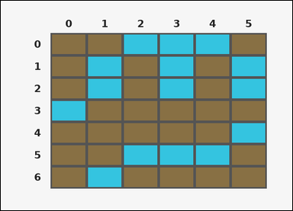 | 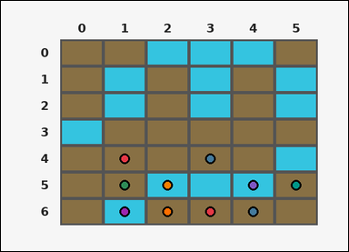 | task_tile_symmetry_violation_count | horizontal | You are given one rectangular tile board on a 7 by 6 grid. Read rows from the left labels and columns from the top labels. How many tiles on the bottom side break horizontal mirror symmetry by having a different color from the mirrored tile? Return a valid JSON object with keys "evidence" and "answer" in that order. Evidence requirement: set "evidence" to the row-major list of [row, col] coordinates for every violating tile on the counted side. Answer format: set "answer" to the number of violating tiles as an integer. Example JSON: {"evidence":[[0,2],[1,2]],"answer":2} | You are given one rectangular tile board on a 7 by 6 grid. Read rows from the left labels and columns from the top labels. How many tiles on the bottom side break horizontal mirror symmetry by having a different color from the mirrored tile? Return a valid JSON object with key "answer". Answer field: set "answer" to the number of violating tiles as an integer. Example JSON: {"answer":2} | {"evidence": [[4, 1], [4, 3], [5, 1], [5, 2], [5, 4], [5, 5], [6, 1], [6, 2], [6, 3], [6, 4]], "answer": 10} | [[4, 1], [4, 3], [5, 1], [5, 2], [5, 4], [5, 5], [6, 1], [6, 2], [6, 3], [6, 4]] | integer | grid_point_set | 24303727472899 | tile/task_tile_symmetry_violation_count/images/horizontal/0024.png | tile/task_tile_symmetry_violation_count/data/horizontal/0024.json
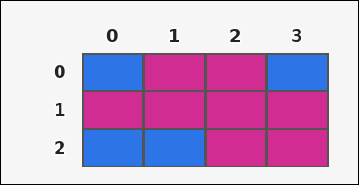 | 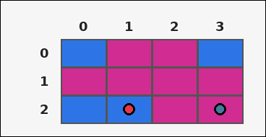 | task_tile_symmetry_violation_count | horizontal | You are given one rectangular tile board on a 3 by 4 grid. Read rows from the left labels and columns from the top labels. Determine the number of bottom side tiles that violate horizontal mirror symmetry. Return a valid JSON object with keys "evidence" and "answer" in that order. Evidence: set "evidence" to the row-major list of [row, col] coordinates for every violating tile on the counted side. Answer: set "answer" to the number of violating tiles as an integer. Example JSON: {"evidence":[[0,2],[1,2]],"answer":2} | You are given one rectangular tile board on a 3 by 4 grid. Read rows from the left labels and columns from the top labels. Determine the number of bottom side tiles that violate horizontal mirror symmetry. Return a valid JSON object with key "answer". Answer requirement: set "answer" to the number of violating tiles as an integer. Example JSON: {"answer":2} | {"evidence": [[2, 1], [2, 3]], "answer": 2} | [[2, 1], [2, 3]] | integer | grid_point_set | 189546860484858 | tile/task_tile_symmetry_violation_count/images/horizontal/0001.png | tile/task_tile_symmetry_violation_count/data/horizontal/0001.json
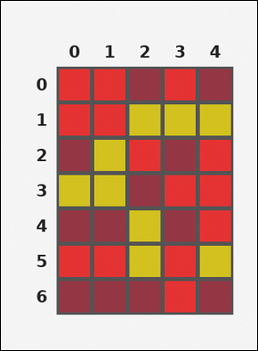 |  | task_tile_symmetry_violation_count | horizontal | Use the single rectangular tile board in the image. It has 7 rows and 5 columns, with rows labeled on the left and columns labeled on the top. Find how many tiles on the bottom side have a color mismatch with their horizontal mirror partner. Return a valid JSON object with keys "evidence" and "answer" in that order. Evidence: set "evidence" to the row-major list of [row, col] coordinates for every violating tile on the counted side. Answer: set "answer" to the number of violating tiles as an integer. Example JSON: {"evidence":[[0,2],[1,2]],"answer":2} | Use the single rectangular tile board in the image. It has 7 rows and 5 columns, with rows labeled on the left and columns labeled on the top. Find how many tiles on the bottom side have a color mismatch with their horizontal mirror partner. Return a valid JSON object with key "answer". Answer: set "answer" to the number of violating tiles as an integer. Example JSON: {"answer":2} | {"evidence": [[4, 1], [4, 2], [5, 3], [6, 0], [6, 1]], "answer": 5} | [[4, 1], [4, 2], [5, 3], [6, 0], [6, 1]] | integer | grid_point_set | 886373200331692 | tile/task_tile_symmetry_violation_count/images/horizontal/0010.png | tile/task_tile_symmetry_violation_count/data/horizontal/0010.json
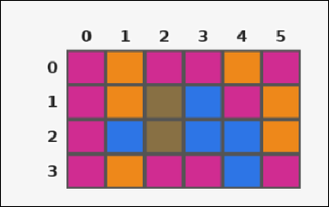 | 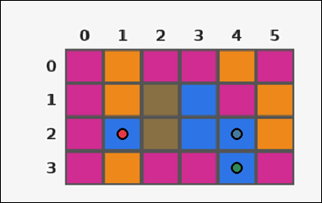 | task_tile_symmetry_violation_count | horizontal | Use the single rectangular tile board in the image. It has 4 rows and 6 columns, with rows labeled on the left and columns labeled on the top. Determine the number of bottom side tiles that violate horizontal mirror symmetry. Return a valid JSON object with keys "evidence" and "answer" in that order. Evidence requirement: set "evidence" to the row-major list of [row, col] coordinates for every violating tile on the counted side. Answer format: set "answer" to the number of violating tiles as an integer. Example JSON: {"evidence":[[0,2],[1,2]],"answer":2} | Use the single rectangular tile board in the image. It has 4 rows and 6 columns, with rows labeled on the left and columns labeled on the top. Determine the number of bottom side tiles that violate horizontal mirror symmetry. Return a valid JSON object with key "answer". Answer: set "answer" to the number of violating tiles as an integer. Example JSON: {"answer":2} | {"evidence": [[2, 1], [2, 4], [3, 4]], "answer": 3} | [[2, 1], [2, 4], [3, 4]] | integer | grid_point_set | 1.4486383467E+15 | tile/task_tile_symmetry_violation_count/images/horizontal/0014.png | tile/task_tile_symmetry_violation_count/data/horizontal/0014.json
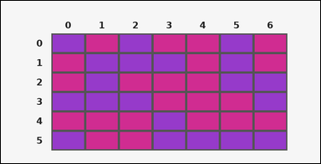 | 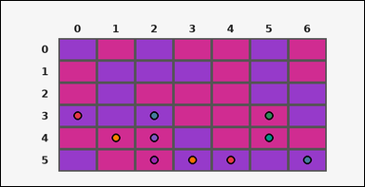 | task_tile_symmetry_violation_count | horizontal | Look at the rectangular tile board with 6 rows and 7 columns. The board uses row labels on the left and column labels on the top. Using horizontal mirror symmetry, how many tiles on the bottom side do not match the color of their mirrored partner? Return a valid JSON object with keys "evidence" and "answer" in that order. Evidence: set "evidence" to the row-major list of [row, col] coordinates for every violating tile on the counted side. Answer: set "answer" to the number of violating tiles as an integer. Example JSON: {"evidence":[[0,2],[1,2]],"answer":2} | Look at the rectangular tile board with 6 rows and 7 columns. The board uses row labels on the left and column labels on the top. Using horizontal mirror symmetry, how many tiles on the bottom side do not match the color of their mirrored partner? Return a valid JSON object with key "answer". Answer: set "answer" to the number of violating tiles as an integer. Example JSON: {"answer":2} | {"evidence": [[3, 0], [3, 2], [3, 5], [4, 1], [4, 2], [4, 5], [5, 2], [5, 3], [5, 4], [5, 6]], "answer": 10} | [[3, 0], [3, 2], [3, 5], [4, 1], [4, 2], [4, 5], [5, 2], [5, 3], [5, 4], [5, 6]] | integer | grid_point_set | 2.4928543486E+15 | tile/task_tile_symmetry_violation_count/images/horizontal/0002.png | tile/task_tile_symmetry_violation_count/data/horizontal/0002.json
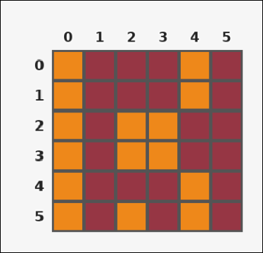 | 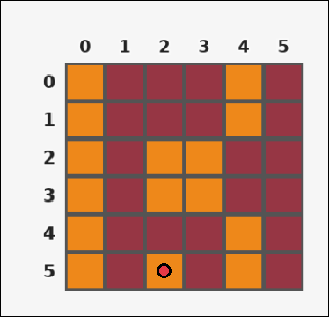 | task_tile_symmetry_violation_count | horizontal | You are given one rectangular tile board on a 6 by 6 grid. Read rows from the left labels and columns from the top labels. Count the bottom side tiles whose color differs from their horizontal mirror partner. Return a valid JSON object with keys "evidence" and "answer" in that order. Evidence requirement: set "evidence" to the row-major list of [row, col] coordinates for every violating tile on the counted side. Answer format: set "answer" to the number of violating tiles as an integer. Example JSON: {"evidence":[[0,2],[1,2]],"answer":2} | You are given one rectangular tile board on a 6 by 6 grid. Read rows from the left labels and columns from the top labels. Count the bottom side tiles whose color differs from their horizontal mirror partner. Return a valid JSON object with key "answer". Answer format: set "answer" to the number of violating tiles as an integer. Example JSON: {"answer":2} | {"evidence": [[5, 2]], "answer": 1} | [[5, 2]] | integer | grid_point_set | 2.8440219604E+15 | tile/task_tile_symmetry_violation_count/images/horizontal/0016.png | tile/task_tile_symmetry_violation_count/data/horizontal/0016.json
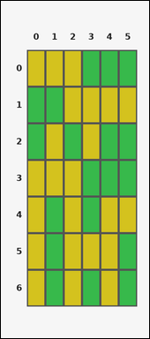 | 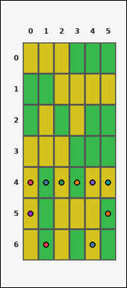 | task_tile_symmetry_violation_count | horizontal | Use the single rectangular tile board in the image. It has 7 rows and 6 columns, with rows labeled on the left and columns labeled on the top. Count the bottom side tiles whose color differs from their horizontal mirror partner. Return a valid JSON object with keys "evidence" and "answer" in that order. Evidence format: set "evidence" to the row-major list of [row, col] coordinates for every violating tile on the counted side. Answer requirement: set "answer" to the number of violating tiles as an integer. Example JSON: {"evidence":[[0,2],[1,2]],"answer":2} | Use the single rectangular tile board in the image. It has 7 rows and 6 columns, with rows labeled on the left and columns labeled on the top. Count the bottom side tiles whose color differs from their horizontal mirror partner. Return a valid JSON object with key "answer". Answer requirement: set "answer" to the number of violating tiles as an integer. Example JSON: {"answer":2} | {"evidence": [[4, 0], [4, 1], [4, 2], [4, 3], [4, 4], [4, 5], [5, 0], [5, 5], [6, 1], [6, 4]], "answer": 10} | [[4, 0], [4, 1], [4, 2], [4, 3], [4, 4], [4, 5], [5, 0], [5, 5], [6, 1], [6, 4]] | integer | grid_point_set | 2.9913484034E+15 | tile/task_tile_symmetry_violation_count/images/horizontal/0021.png | tile/task_tile_symmetry_violation_count/data/horizontal/0021.json
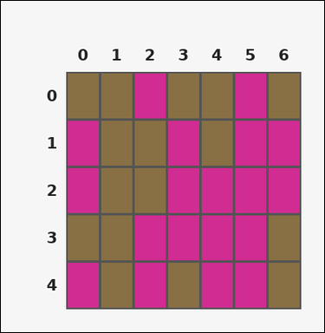 |  | task_tile_symmetry_violation_count | horizontal | Work from the labeled rectangular tile board in the image. It has 5 rows and 7 columns with visible row and column indices. Using horizontal mirror symmetry, how many tiles on the bottom side do not match the color of their mirrored partner? Return a valid JSON object with keys "evidence" and "answer" in that order. Evidence field: set "evidence" to the row-major list of [row, col] coordinates for every violating tile on the counted side. Answer field: set "answer" to the number of violating tiles as an integer. Example JSON: {"evidence":[[0,2],[1,2]],"answer":2} | Work from the labeled rectangular tile board in the image. It has 5 rows and 7 columns with visible row and column indices. Using horizontal mirror symmetry, how many tiles on the bottom side do not match the color of their mirrored partner? Return a valid JSON object with key "answer". Answer rule: set "answer" to the number of violating tiles as an integer. Example JSON: {"answer":2} | {"evidence": [[3, 0], [3, 2], [3, 4], [3, 6], [4, 0], [4, 4]], "answer": 6} | [[3, 0], [3, 2], [3, 4], [3, 6], [4, 0], [4, 4]] | integer | grid_point_set | 3.0311733894E+15 | tile/task_tile_symmetry_violation_count/images/horizontal/0020.png | tile/task_tile_symmetry_violation_count/data/horizontal/0020.json
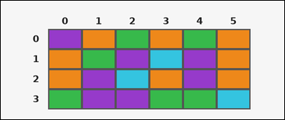 | 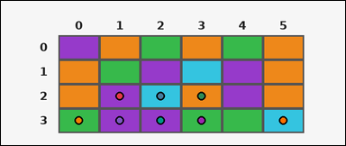 | task_tile_symmetry_violation_count | horizontal | Work from the labeled rectangular tile board in the image. It has 4 rows and 6 columns with visible row and column indices. How many tiles on the bottom side break horizontal mirror symmetry by having a different color from the mirrored tile? Return a valid JSON object with keys "evidence" and "answer" in that order. Evidence rule: set "evidence" to the row-major list of [row, col] coordinates for every violating tile on the counted side. Answer rule: set "answer" to the number of violating tiles as an integer. Example JSON: {"evidence":[[0,2],[1,2]],"answer":2} | Work from the labeled rectangular tile board in the image. It has 4 rows and 6 columns with visible row and column indices. How many tiles on the bottom side break horizontal mirror symmetry by having a different color from the mirrored tile? Return a valid JSON object with key "answer". Answer format: set "answer" to the number of violating tiles as an integer. Example JSON: {"answer":2} | {"evidence": [[2, 1], [2, 2], [2, 3], [3, 0], [3, 1], [3, 2], [3, 3], [3, 5]], "answer": 8} | [[2, 1], [2, 2], [2, 3], [3, 0], [3, 1], [3, 2], [3, 3], [3, 5]] | integer | grid_point_set | 3.9061092042E+15 | tile/task_tile_symmetry_violation_count/images/horizontal/0004.png | tile/task_tile_symmetry_violation_count/data/horizontal/0004.json
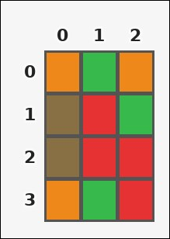 | 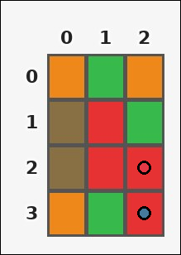 | task_tile_symmetry_violation_count | horizontal | You are given one rectangular tile board on a 4 by 3 grid. Read rows from the left labels and columns from the top labels. Count the bottom side tiles whose color differs from their horizontal mirror partner. Return a valid JSON object with keys "evidence" and "answer" in that order. Evidence rule: set "evidence" to the row-major list of [row, col] coordinates for every violating tile on the counted side. Answer rule: set "answer" to the number of violating tiles as an integer. Example JSON: {"evidence":[[0,2],[1,2]],"answer":2} | You are given one rectangular tile board on a 4 by 3 grid. Read rows from the left labels and columns from the top labels. Count the bottom side tiles whose color differs from their horizontal mirror partner. Return a valid JSON object with key "answer". Answer requirement: set "answer" to the number of violating tiles as an integer. Example JSON: {"answer":2} | {"evidence": [[2, 2], [3, 2]], "answer": 2} | [[2, 2], [3, 2]] | integer | grid_point_set | 4.0744250729E+15 | tile/task_tile_symmetry_violation_count/images/horizontal/0003.png | tile/task_tile_symmetry_violation_count/data/horizontal/0003.json
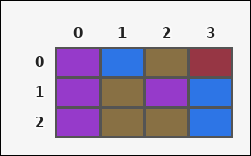 | 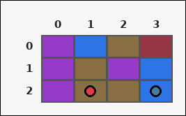 | task_tile_symmetry_violation_count | horizontal | You are given one rectangular tile board on a 3 by 4 grid. Read rows from the left labels and columns from the top labels. Using horizontal mirror symmetry, how many tiles on the bottom side do not match the color of their mirrored partner? Return a valid JSON object with keys "evidence" and "answer" in that order. Evidence rule: set "evidence" to the row-major list of [row, col] coordinates for every violating tile on the counted side. Answer rule: set "answer" to the number of violating tiles as an integer. Example JSON: {"evidence":[[0,2],[1,2]],"answer":2} | You are given one rectangular tile board on a 3 by 4 grid. Read rows from the left labels and columns from the top labels. Using horizontal mirror symmetry, how many tiles on the bottom side do not match the color of their mirrored partner? Return a valid JSON object with key "answer". Answer requirement: set "answer" to the number of violating tiles as an integer. Example JSON: {"answer":2} | {"evidence": [[2, 1], [2, 3]], "answer": 2} | [[2, 1], [2, 3]] | integer | grid_point_set | 4.4089336785E+15 | tile/task_tile_symmetry_violation_count/images/horizontal/0015.png | tile/task_tile_symmetry_violation_count/data/horizontal/0015.json
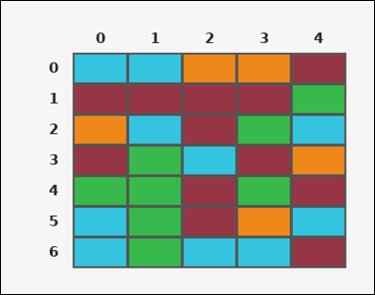 | 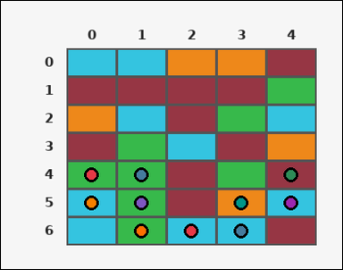 | task_tile_symmetry_violation_count | horizontal | Use the single rectangular tile board in the image. It has 7 rows and 5 columns, with rows labeled on the left and columns labeled on the top. Count the bottom side tiles whose color differs from their horizontal mirror partner. Return a valid JSON object with keys "evidence" and "answer" in that order. Evidence rule: set "evidence" to the row-major list of [row, col] coordinates for every violating tile on the counted side. Answer rule: set "answer" to the number of violating tiles as an integer. Example JSON: {"evidence":[[0,2],[1,2]],"answer":2} | Use the single rectangular tile board in the image. It has 7 rows and 5 columns, with rows labeled on the left and columns labeled on the top. Count the bottom side tiles whose color differs from their horizontal mirror partner. Return a valid JSON object with key "answer". Answer requirement: set "answer" to the number of violating tiles as an integer. Example JSON: {"answer":2} | {"evidence": [[4, 0], [4, 1], [4, 4], [5, 0], [5, 1], [5, 3], [5, 4], [6, 1], [6, 2], [6, 3]], "answer": 10} | [[4, 0], [4, 1], [4, 4], [5, 0], [5, 1], [5, 3], [5, 4], [6, 1], [6, 2], [6, 3]] | integer | grid_point_set | 5.0102150049E+15 | tile/task_tile_symmetry_violation_count/images/horizontal/0000.png | tile/task_tile_symmetry_violation_count/data/horizontal/0000.json
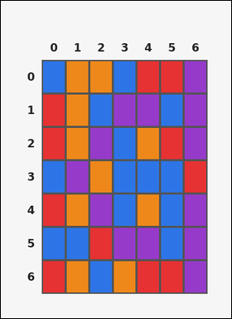 |  | task_tile_symmetry_violation_count | horizontal | Work from the labeled rectangular tile board in the image. It has 7 rows and 7 columns with visible row and column indices. Find how many tiles on the bottom side have a color mismatch with their horizontal mirror partner. Return a valid JSON object with keys "evidence" and "answer" in that order. Evidence field: set "evidence" to the row-major list of [row, col] coordinates for every violating tile on the counted side. Answer field: set "answer" to the number of violating tiles as an integer. Example JSON: {"evidence":[[0,2],[1,2]],"answer":2} | Work from the labeled rectangular tile board in the image. It has 7 rows and 7 columns with visible row and column indices. Find how many tiles on the bottom side have a color mismatch with their horizontal mirror partner. Return a valid JSON object with key "answer". Answer format: set "answer" to the number of violating tiles as an integer. Example JSON: {"answer":2} | {"evidence": [[4, 5], [5, 0], [5, 1], [5, 2], [6, 0], [6, 2], [6, 3]], "answer": 7} | [[4, 5], [5, 0], [5, 1], [5, 2], [6, 0], [6, 2], [6, 3]] | integer | grid_point_set | 5.7845806675E+15 | tile/task_tile_symmetry_violation_count/images/horizontal/0017.png | tile/task_tile_symmetry_violation_count/data/horizontal/0017.json
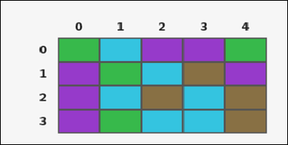 | 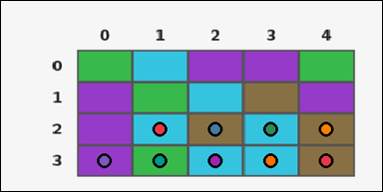 | task_tile_symmetry_violation_count | horizontal | You are given one rectangular tile board on a 4 by 5 grid. Read rows from the left labels and columns from the top labels. How many tiles on the bottom side break horizontal mirror symmetry by having a different color from the mirrored tile? Return a valid JSON object with keys "evidence" and "answer" in that order. Evidence requirement: set "evidence" to the row-major list of [row, col] coordinates for every violating tile on the counted side. Answer format: set "answer" to the number of violating tiles as an integer. Example JSON: {"evidence":[[0,2],[1,2]],"answer":2} | You are given one rectangular tile board on a 4 by 5 grid. Read rows from the left labels and columns from the top labels. How many tiles on the bottom side break horizontal mirror symmetry by having a different color from the mirrored tile? Return a valid JSON object with key "answer". Answer rule: set "answer" to the number of violating tiles as an integer. Example JSON: {"answer":2} | {"evidence": [[2, 1], [2, 2], [2, 3], [2, 4], [3, 0], [3, 1], [3, 2], [3, 3], [3, 4]], "answer": 9} | [[2, 1], [2, 2], [2, 3], [2, 4], [3, 0], [3, 1], [3, 2], [3, 3], [3, 4]] | integer | grid_point_set | 6.312954555E+15 | tile/task_tile_symmetry_violation_count/images/horizontal/0013.png | tile/task_tile_symmetry_violation_count/data/horizontal/0013.json
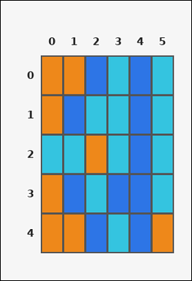 | 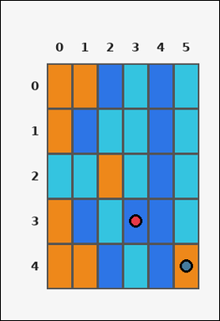 | task_tile_symmetry_violation_count | horizontal | Work from the labeled rectangular tile board in the image. It has 5 rows and 6 columns with visible row and column indices. How many tiles on the bottom side break horizontal mirror symmetry by having a different color from the mirrored tile? Return a valid JSON object with keys "evidence" and "answer" in that order. Evidence requirement: set "evidence" to the row-major list of [row, col] coordinates for every violating tile on the counted side. Answer format: set "answer" to the number of violating tiles as an integer. Example JSON: {"evidence":[[0,2],[1,2]],"answer":2} | Work from the labeled rectangular tile board in the image. It has 5 rows and 6 columns with visible row and column indices. How many tiles on the bottom side break horizontal mirror symmetry by having a different color from the mirrored tile? Return a valid JSON object with key "answer". Answer requirement: set "answer" to the number of violating tiles as an integer. Example JSON: {"answer":2} | {"evidence": [[3, 3], [4, 5]], "answer": 2} | [[3, 3], [4, 5]] | integer | grid_point_set | 6.6337084538E+15 | tile/task_tile_symmetry_violation_count/images/horizontal/0023.png | tile/task_tile_symmetry_violation_count/data/horizontal/0023.json
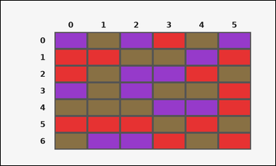 |  | task_tile_symmetry_violation_count | horizontal | The image shows one rectangular tile board with 7 rows and 6 columns. Row labels are on the left and column labels are on the top. Count the bottom side tiles whose color differs from their horizontal mirror partner. Return a valid JSON object with keys "evidence" and "answer" in that order. Evidence rule: set "evidence" to the row-major list of [row, col] coordinates for every violating tile on the counted side. Answer rule: set "answer" to the number of violating tiles as an integer. Example JSON: {"evidence":[[0,2],[1,2]],"answer":2} | The image shows one rectangular tile board with 7 rows and 6 columns. Row labels are on the left and column labels are on the top. Count the bottom side tiles whose color differs from their horizontal mirror partner. Return a valid JSON object with key "answer". Answer field: set "answer" to the number of violating tiles as an integer. Example JSON: {"answer":2} | {"evidence": [[4, 0], [4, 2], [4, 4], [4, 5], [5, 2], [5, 4], [5, 5], [6, 0], [6, 1], [6, 5]], "answer": 10} | [[4, 0], [4, 2], [4, 4], [4, 5], [5, 2], [5, 4], [5, 5], [6, 0], [6, 1], [6, 5]] | integer | grid_point_set | 6.8896136021E+15 | tile/task_tile_symmetry_violation_count/images/horizontal/0008.png | tile/task_tile_symmetry_violation_count/data/horizontal/0008.json
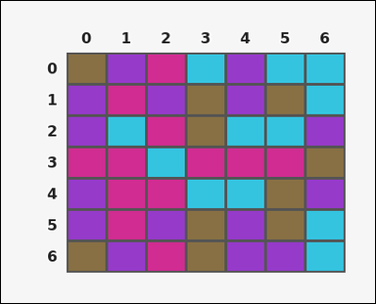 | 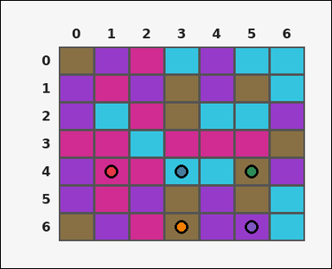 | task_tile_symmetry_violation_count | horizontal | Look at the rectangular tile board with 7 rows and 7 columns. The board uses row labels on the left and column labels on the top. Count the bottom side tiles whose color differs from their horizontal mirror partner. Return a valid JSON object with keys "evidence" and "answer" in that order. Evidence requirement: set "evidence" to the row-major list of [row, col] coordinates for every violating tile on the counted side. Answer format: set "answer" to the number of violating tiles as an integer. Example JSON: {"evidence":[[0,2],[1,2]],"answer":2} | Look at the rectangular tile board with 7 rows and 7 columns. The board uses row labels on the left and column labels on the top. Count the bottom side tiles whose color differs from their horizontal mirror partner. Return a valid JSON object with key "answer". Answer field: set "answer" to the number of violating tiles as an integer. Example JSON: {"answer":2} | {"evidence": [[4, 1], [4, 3], [4, 5], [6, 3], [6, 5]], "answer": 5} | [[4, 1], [4, 3], [4, 5], [6, 3], [6, 5]] | integer | grid_point_set | 6.9902883995E+15 | tile/task_tile_symmetry_violation_count/images/horizontal/0009.png | tile/task_tile_symmetry_violation_count/data/horizontal/0009.json
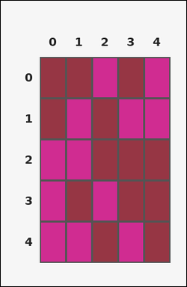 |  | task_tile_symmetry_violation_count | horizontal | The image shows one rectangular tile board with 5 rows and 5 columns. Row labels are on the left and column labels are on the top. Count the bottom side tiles whose color differs from their horizontal mirror partner. Return a valid JSON object with keys "evidence" and "answer" in that order. Evidence field: set "evidence" to the row-major list of [row, col] coordinates for every violating tile on the counted side. Answer field: set "answer" to the number of violating tiles as an integer. Example JSON: {"evidence":[[0,2],[1,2]],"answer":2} | The image shows one rectangular tile board with 5 rows and 5 columns. Row labels are on the left and column labels are on the top. Count the bottom side tiles whose color differs from their horizontal mirror partner. Return a valid JSON object with key "answer". Answer rule: set "answer" to the number of violating tiles as an integer. Example JSON: {"answer":2} | {"evidence": [[3, 0], [3, 1], [3, 2], [3, 3], [3, 4], [4, 0], [4, 1], [4, 2], [4, 3], [4, 4]], "answer": 10} | [[3, 0], [3, 1], [3, 2], [3, 3], [3, 4], [4, 0], [4, 1], [4, 2], [4, 3], [4, 4]] | integer | grid_point_set | 7.3011926437E+15 | tile/task_tile_symmetry_violation_count/images/horizontal/0005.png | tile/task_tile_symmetry_violation_count/data/horizontal/0005.json
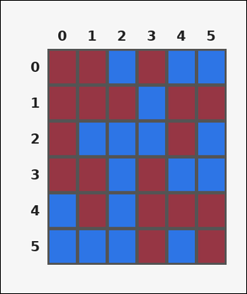 | 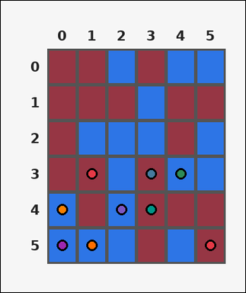 | task_tile_symmetry_violation_count | horizontal | Use the single rectangular tile board in the image. It has 6 rows and 6 columns, with rows labeled on the left and columns labeled on the top. Using horizontal mirror symmetry, how many tiles on the bottom side do not match the color of their mirrored partner? Return a valid JSON object with keys "evidence" and "answer" in that order. Evidence requirement: set "evidence" to the row-major list of [row, col] coordinates for every violating tile on the counted side. Answer format: set "answer" to the number of violating tiles as an integer. Example JSON: {"evidence":[[0,2],[1,2]],"answer":2} | Use the single rectangular tile board in the image. It has 6 rows and 6 columns, with rows labeled on the left and columns labeled on the top. Using horizontal mirror symmetry, how many tiles on the bottom side do not match the color of their mirrored partner? Return a valid JSON object with key "answer". Answer format: set "answer" to the number of violating tiles as an integer. Example JSON: {"answer":2} | {"evidence": [[3, 1], [3, 3], [3, 4], [4, 0], [4, 2], [4, 3], [5, 0], [5, 1], [5, 5]], "answer": 9} | [[3, 1], [3, 3], [3, 4], [4, 0], [4, 2], [4, 3], [5, 0], [5, 1], [5, 5]] | integer | grid_point_set | 7.3354761925E+15 | tile/task_tile_symmetry_violation_count/images/horizontal/0006.png | tile/task_tile_symmetry_violation_count/data/horizontal/0006.json
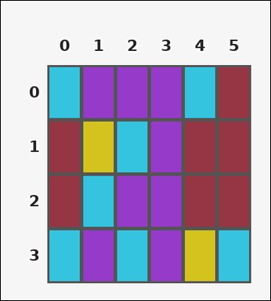 |  | task_tile_symmetry_violation_count | horizontal | You are given one rectangular tile board on a 4 by 6 grid. Read rows from the left labels and columns from the top labels. How many tiles on the bottom side break horizontal mirror symmetry by having a different color from the mirrored tile? Return a valid JSON object with keys "evidence" and "answer" in that order. Evidence field: set "evidence" to the row-major list of [row, col] coordinates for every violating tile on the counted side. Answer field: set "answer" to the number of violating tiles as an integer. Example JSON: {"evidence":[[0,2],[1,2]],"answer":2} | You are given one rectangular tile board on a 4 by 6 grid. Read rows from the left labels and columns from the top labels. How many tiles on the bottom side break horizontal mirror symmetry by having a different color from the mirrored tile? Return a valid JSON object with key "answer". Answer requirement: set "answer" to the number of violating tiles as an integer. Example JSON: {"answer":2} | {"evidence": [[2, 1], [2, 2], [3, 2], [3, 4], [3, 5]], "answer": 5} | [[2, 1], [2, 2], [3, 2], [3, 4], [3, 5]] | integer | grid_point_set | 7.3777535933E+15 | tile/task_tile_symmetry_violation_count/images/horizontal/0019.png | tile/task_tile_symmetry_violation_count/data/horizontal/0019.json
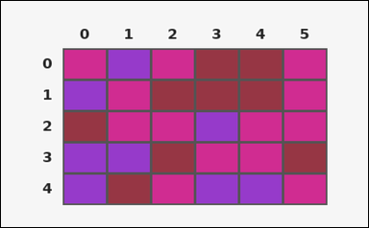 | 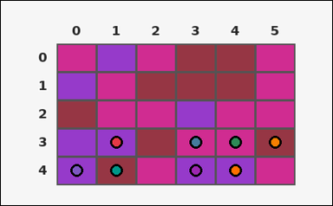 | task_tile_symmetry_violation_count | horizontal | Work from the labeled rectangular tile board in the image. It has 5 rows and 6 columns with visible row and column indices. Count the bottom side tiles whose color differs from their horizontal mirror partner. Return a valid JSON object with keys "evidence" and "answer" in that order. Evidence rule: set "evidence" to the row-major list of [row, col] coordinates for every violating tile on the counted side. Answer rule: set "answer" to the number of violating tiles as an integer. Example JSON: {"evidence":[[0,2],[1,2]],"answer":2} | Work from the labeled rectangular tile board in the image. It has 5 rows and 6 columns with visible row and column indices. Count the bottom side tiles whose color differs from their horizontal mirror partner. Return a valid JSON object with key "answer". Answer requirement: set "answer" to the number of violating tiles as an integer. Example JSON: {"answer":2} | {"evidence": [[3, 1], [3, 3], [3, 4], [3, 5], [4, 0], [4, 1], [4, 3], [4, 4]], "answer": 8} | [[3, 1], [3, 3], [3, 4], [3, 5], [4, 0], [4, 1], [4, 3], [4, 4]] | integer | grid_point_set | 7.521512091E+15 | tile/task_tile_symmetry_violation_count/images/horizontal/0007.png | tile/task_tile_symmetry_violation_count/data/horizontal/0007.json
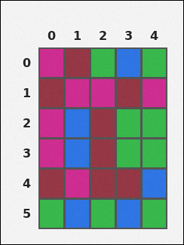 |  | task_tile_symmetry_violation_count | horizontal | Use the single rectangular tile board in the image. It has 6 rows and 5 columns, with rows labeled on the left and columns labeled on the top. Count the bottom side tiles whose color differs from their horizontal mirror partner. Return a valid JSON object with keys "evidence" and "answer" in that order. Evidence requirement: set "evidence" to the row-major list of [row, col] coordinates for every violating tile on the counted side. Answer format: set "answer" to the number of violating tiles as an integer. Example JSON: {"evidence":[[0,2],[1,2]],"answer":2} | Use the single rectangular tile board in the image. It has 6 rows and 5 columns, with rows labeled on the left and columns labeled on the top. Count the bottom side tiles whose color differs from their horizontal mirror partner. Return a valid JSON object with key "answer". Answer rule: set "answer" to the number of violating tiles as an integer. Example JSON: {"answer":2} | {"evidence": [[4, 2], [4, 4], [5, 0], [5, 1]], "answer": 4} | [[4, 2], [4, 4], [5, 0], [5, 1]] | integer | grid_point_set | 7.5483835967E+15 | tile/task_tile_symmetry_violation_count/images/horizontal/0022.png | tile/task_tile_symmetry_violation_count/data/horizontal/0022.json
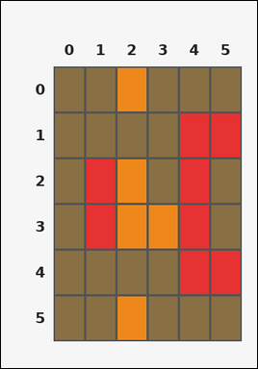 | 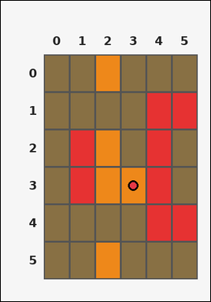 | task_tile_symmetry_violation_count | horizontal | Work from the labeled rectangular tile board in the image. It has 6 rows and 6 columns with visible row and column indices. Using horizontal mirror symmetry, how many tiles on the bottom side do not match the color of their mirrored partner? Return a valid JSON object with keys "evidence" and "answer" in that order. Evidence requirement: set "evidence" to the row-major list of [row, col] coordinates for every violating tile on the counted side. Answer format: set "answer" to the number of violating tiles as an integer. Example JSON: {"evidence":[[0,2],[1,2]],"answer":2} | Work from the labeled rectangular tile board in the image. It has 6 rows and 6 columns with visible row and column indices. Using horizontal mirror symmetry, how many tiles on the bottom side do not match the color of their mirrored partner? Return a valid JSON object with key "answer". Answer requirement: set "answer" to the number of violating tiles as an integer. Example JSON: {"answer":2} | {"evidence": [[3, 3]], "answer": 1} | [[3, 3]] | integer | grid_point_set | 7.6312054963E+15 | tile/task_tile_symmetry_violation_count/images/horizontal/0011.png | tile/task_tile_symmetry_violation_count/data/horizontal/0011.json
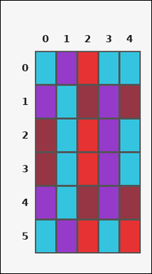 |  | task_tile_symmetry_violation_count | horizontal | Use the single rectangular tile board in the image. It has 6 rows and 5 columns, with rows labeled on the left and columns labeled on the top. Find how many tiles on the bottom side have a color mismatch with their horizontal mirror partner. Return a valid JSON object with keys "evidence" and "answer" in that order. Evidence rule: set "evidence" to the row-major list of [row, col] coordinates for every violating tile on the counted side. Answer rule: set "answer" to the number of violating tiles as an integer. Example JSON: {"evidence":[[0,2],[1,2]],"answer":2} | Use the single rectangular tile board in the image. It has 6 rows and 5 columns, with rows labeled on the left and columns labeled on the top. Find how many tiles on the bottom side have a color mismatch with their horizontal mirror partner. Return a valid JSON object with key "answer". Answer requirement: set "answer" to the number of violating tiles as an integer. Example JSON: {"answer":2} | {"evidence": [[5, 4]], "answer": 1} | [[5, 4]] | integer | grid_point_set | 8.6132054468E+15 | tile/task_tile_symmetry_violation_count/images/horizontal/0012.png | tile/task_tile_symmetry_violation_count/data/horizontal/0012.json
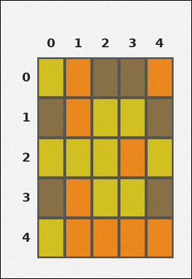 | 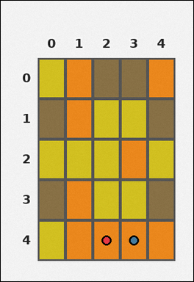 | task_tile_symmetry_violation_count | horizontal | Use the single rectangular tile board in the image. It has 5 rows and 5 columns, with rows labeled on the left and columns labeled on the top. How many tiles on the bottom side break horizontal mirror symmetry by having a different color from the mirrored tile? Return a valid JSON object with keys "evidence" and "answer" in that order. Evidence rule: set "evidence" to the row-major list of [row, col] coordinates for every violating tile on the counted side. Answer rule: set "answer" to the number of violating tiles as an integer. Example JSON: {"evidence":[[0,2],[1,2]],"answer":2} | Use the single rectangular tile board in the image. It has 5 rows and 5 columns, with rows labeled on the left and columns labeled on the top. How many tiles on the bottom side break horizontal mirror symmetry by having a different color from the mirrored tile? Return a valid JSON object with key "answer". Answer format: set "answer" to the number of violating tiles as an integer. Example JSON: {"answer":2} | {"evidence": [[4, 2], [4, 3]], "answer": 2} | [[4, 2], [4, 3]] | integer | grid_point_set | 8.8567936146E+15 | tile/task_tile_symmetry_violation_count/images/horizontal/0018.png | tile/task_tile_symmetry_violation_count/data/horizontal/0018.json

vertical
image | evidence_image | task | task_variant | prompt | prompt_answer_only | answer | answer_evidence | answer_type | evidence_type | instance_seed | image_path | data_path
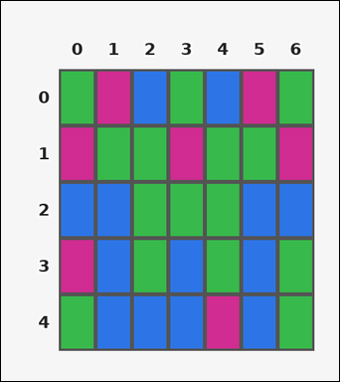 | 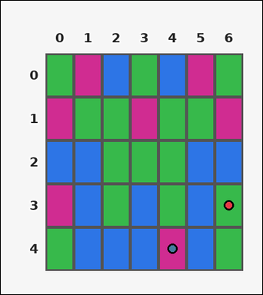 | task_tile_symmetry_violation_count | vertical | You are given one rectangular tile board on a 5 by 7 grid. Read rows from the left labels and columns from the top labels. Find how many tiles on the right side have a color mismatch with their vertical mirror partner. Return a valid JSON object with keys "evidence" and "answer" in that order. Evidence requirement: set "evidence" to the row-major list of [row, col] coordinates for every violating tile on the counted side. Answer format: set "answer" to the number of violating tiles as an integer. Example JSON: {"evidence":[[0,2],[1,2]],"answer":2} | You are given one rectangular tile board on a 5 by 7 grid. Read rows from the left labels and columns from the top labels. Find how many tiles on the right side have a color mismatch with their vertical mirror partner. Return a valid JSON object with key "answer". Answer requirement: set "answer" to the number of violating tiles as an integer. Example JSON: {"answer":2} | {"evidence": [[3, 6], [4, 4]], "answer": 2} | [[3, 6], [4, 4]] | integer | grid_point_set | 18067466929743 | tile/task_tile_symmetry_violation_count/images/vertical/0002.png | tile/task_tile_symmetry_violation_count/data/vertical/0002.json
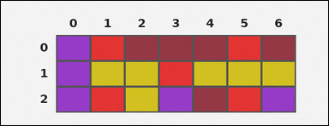 | 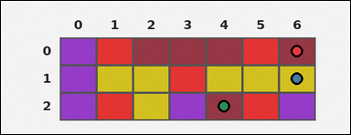 | task_tile_symmetry_violation_count | vertical | Look at the rectangular tile board with 3 rows and 7 columns. The board uses row labels on the left and column labels on the top. Using vertical mirror symmetry, how many tiles on the right side do not match the color of their mirrored partner? Return a valid JSON object with keys "evidence" and "answer" in that order. Evidence field: set "evidence" to the row-major list of [row, col] coordinates for every violating tile on the counted side. Answer field: set "answer" to the number of violating tiles as an integer. Example JSON: {"evidence":[[0,2],[1,2]],"answer":2} | Look at the rectangular tile board with 3 rows and 7 columns. The board uses row labels on the left and column labels on the top. Using vertical mirror symmetry, how many tiles on the right side do not match the color of their mirrored partner? Return a valid JSON object with key "answer". Answer format: set "answer" to the number of violating tiles as an integer. Example JSON: {"answer":2} | {"evidence": [[0, 6], [1, 6], [2, 4]], "answer": 3} | [[0, 6], [1, 6], [2, 4]] | integer | grid_point_set | 1.423807349E+15 | tile/task_tile_symmetry_violation_count/images/vertical/0016.png | tile/task_tile_symmetry_violation_count/data/vertical/0016.json
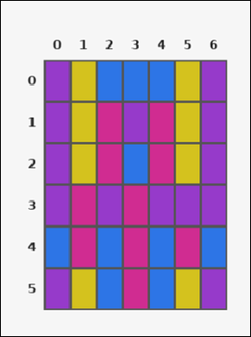 | 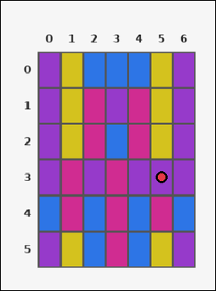 | task_tile_symmetry_violation_count | vertical | The image shows one rectangular tile board with 6 rows and 7 columns. Row labels are on the left and column labels are on the top. Using vertical mirror symmetry, how many tiles on the right side do not match the color of their mirrored partner? Return a valid JSON object with keys "evidence" and "answer" in that order. Evidence: set "evidence" to the row-major list of [row, col] coordinates for every violating tile on the counted side. Answer: set "answer" to the number of violating tiles as an integer. Example JSON: {"evidence":[[0,2],[1,2]],"answer":2} | The image shows one rectangular tile board with 6 rows and 7 columns. Row labels are on the left and column labels are on the top. Using vertical mirror symmetry, how many tiles on the right side do not match the color of their mirrored partner? Return a valid JSON object with key "answer". Answer: set "answer" to the number of violating tiles as an integer. Example JSON: {"answer":2} | {"evidence": [[3, 5]], "answer": 1} | [[3, 5]] | integer | grid_point_set | 1.5982490767E+15 | tile/task_tile_symmetry_violation_count/images/vertical/0000.png | tile/task_tile_symmetry_violation_count/data/vertical/0000.json
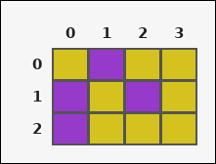 | 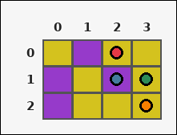 | task_tile_symmetry_violation_count | vertical | Look at the rectangular tile board with 3 rows and 4 columns. The board uses row labels on the left and column labels on the top. Using vertical mirror symmetry, how many tiles on the right side do not match the color of their mirrored partner? Return a valid JSON object with keys "evidence" and "answer" in that order. Evidence rule: set "evidence" to the row-major list of [row, col] coordinates for every violating tile on the counted side. Answer rule: set "answer" to the number of violating tiles as an integer. Example JSON: {"evidence":[[0,2],[1,2]],"answer":2} | Look at the rectangular tile board with 3 rows and 4 columns. The board uses row labels on the left and column labels on the top. Using vertical mirror symmetry, how many tiles on the right side do not match the color of their mirrored partner? Return a valid JSON object with key "answer". Answer format: set "answer" to the number of violating tiles as an integer. Example JSON: {"answer":2} | {"evidence": [[0, 2], [1, 2], [1, 3], [2, 3]], "answer": 4} | [[0, 2], [1, 2], [1, 3], [2, 3]] | integer | grid_point_set | 1.6474373783E+15 | tile/task_tile_symmetry_violation_count/images/vertical/0011.png | tile/task_tile_symmetry_violation_count/data/vertical/0011.json
 |  | task_tile_symmetry_violation_count | vertical | You are given one rectangular tile board on a 7 by 4 grid. Read rows from the left labels and columns from the top labels. Using vertical mirror symmetry, how many tiles on the right side do not match the color of their mirrored partner? Return a valid JSON object with keys "evidence" and "answer" in that order. Evidence field: set "evidence" to the row-major list of [row, col] coordinates for every violating tile on the counted side. Answer field: set "answer" to the number of violating tiles as an integer. Example JSON: {"evidence":[[0,2],[1,2]],"answer":2} | You are given one rectangular tile board on a 7 by 4 grid. Read rows from the left labels and columns from the top labels. Using vertical mirror symmetry, how many tiles on the right side do not match the color of their mirrored partner? Return a valid JSON object with key "answer". Answer requirement: set "answer" to the number of violating tiles as an integer. Example JSON: {"answer":2} | {"evidence": [[0, 2], [0, 3], [1, 2], [1, 3], [2, 2], [2, 3], [3, 3], [4, 2], [6, 2], [6, 3]], "answer": 10} | [[0, 2], [0, 3], [1, 2], [1, 3], [2, 2], [2, 3], [3, 3], [4, 2], [6, 2], [6, 3]] | integer | grid_point_set | 1.7132067075E+15 | tile/task_tile_symmetry_violation_count/images/vertical/0005.png | tile/task_tile_symmetry_violation_count/data/vertical/0005.json
 |  | task_tile_symmetry_violation_count | vertical | Work from the labeled rectangular tile board in the image. It has 4 rows and 5 columns with visible row and column indices. How many tiles on the right side break vertical mirror symmetry by having a different color from the mirrored tile? Return a valid JSON object with keys "evidence" and "answer" in that order. Evidence: set "evidence" to the row-major list of [row, col] coordinates for every violating tile on the counted side. Answer: set "answer" to the number of violating tiles as an integer. Example JSON: {"evidence":[[0,2],[1,2]],"answer":2} | Work from the labeled rectangular tile board in the image. It has 4 rows and 5 columns with visible row and column indices. How many tiles on the right side break vertical mirror symmetry by having a different color from the mirrored tile? Return a valid JSON object with key "answer". Answer field: set "answer" to the number of violating tiles as an integer. Example JSON: {"answer":2} | {"evidence": [[0, 4], [1, 3], [1, 4], [2, 4], [3, 4]], "answer": 5} | [[0, 4], [1, 3], [1, 4], [2, 4], [3, 4]] | integer | grid_point_set | 2.9734612068E+15 | tile/task_tile_symmetry_violation_count/images/vertical/0003.png | tile/task_tile_symmetry_violation_count/data/vertical/0003.json
 |  | task_tile_symmetry_violation_count | vertical | You are given one rectangular tile board on a 5 by 6 grid. Read rows from the left labels and columns from the top labels. How many tiles on the right side break vertical mirror symmetry by having a different color from the mirrored tile? Return a valid JSON object with keys "evidence" and "answer" in that order. Evidence requirement: set "evidence" to the row-major list of [row, col] coordinates for every violating tile on the counted side. Answer format: set "answer" to the number of violating tiles as an integer. Example JSON: {"evidence":[[0,2],[1,2]],"answer":2} | You are given one rectangular tile board on a 5 by 6 grid. Read rows from the left labels and columns from the top labels. How many tiles on the right side break vertical mirror symmetry by having a different color from the mirrored tile? Return a valid JSON object with key "answer". Answer rule: set "answer" to the number of violating tiles as an integer. Example JSON: {"answer":2} | {"evidence": [[0, 4], [0, 5], [2, 5], [4, 4]], "answer": 4} | [[0, 4], [0, 5], [2, 5], [4, 4]] | integer | grid_point_set | 3.0820372226E+15 | tile/task_tile_symmetry_violation_count/images/vertical/0001.png | tile/task_tile_symmetry_violation_count/data/vertical/0001.json
 |  | task_tile_symmetry_violation_count | vertical | Look at the rectangular tile board with 4 rows and 6 columns. The board uses row labels on the left and column labels on the top. How many tiles on the right side break vertical mirror symmetry by having a different color from the mirrored tile? Return a valid JSON object with keys "evidence" and "answer" in that order. Evidence field: set "evidence" to the row-major list of [row, col] coordinates for every violating tile on the counted side. Answer field: set "answer" to the number of violating tiles as an integer. Example JSON: {"evidence":[[0,2],[1,2]],"answer":2} | Look at the rectangular tile board with 4 rows and 6 columns. The board uses row labels on the left and column labels on the top. How many tiles on the right side break vertical mirror symmetry by having a different color from the mirrored tile? Return a valid JSON object with key "answer". Answer format: set "answer" to the number of violating tiles as an integer. Example JSON: {"answer":2} | {"evidence": [[0, 5], [1, 3], [1, 4], [2, 4], [2, 5], [3, 3], [3, 5]], "answer": 7} | [[0, 5], [1, 3], [1, 4], [2, 4], [2, 5], [3, 3], [3, 5]] | integer | grid_point_set | 3.57478674E+15 | tile/task_tile_symmetry_violation_count/images/vertical/0017.png | tile/task_tile_symmetry_violation_count/data/vertical/0017.json
 |  | task_tile_symmetry_violation_count | vertical | Work from the labeled rectangular tile board in the image. It has 4 rows and 7 columns with visible row and column indices. How many tiles on the right side break vertical mirror symmetry by having a different color from the mirrored tile? Return a valid JSON object with keys "evidence" and "answer" in that order. Evidence rule: set "evidence" to the row-major list of [row, col] coordinates for every violating tile on the counted side. Answer rule: set "answer" to the number of violating tiles as an integer. Example JSON: {"evidence":[[0,2],[1,2]],"answer":2} | Work from the labeled rectangular tile board in the image. It has 4 rows and 7 columns with visible row and column indices. How many tiles on the right side break vertical mirror symmetry by having a different color from the mirrored tile? Return a valid JSON object with key "answer". Answer field: set "answer" to the number of violating tiles as an integer. Example JSON: {"answer":2} | {"evidence": [[0, 6], [1, 4], [1, 5], [1, 6], [2, 5], [2, 6], [3, 5]], "answer": 7} | [[0, 6], [1, 4], [1, 5], [1, 6], [2, 5], [2, 6], [3, 5]] | integer | grid_point_set | 3.6711688389E+15 | tile/task_tile_symmetry_violation_count/images/vertical/0019.png | tile/task_tile_symmetry_violation_count/data/vertical/0019.json
 |  | task_tile_symmetry_violation_count | vertical | Use the single rectangular tile board in the image. It has 7 rows and 6 columns, with rows labeled on the left and columns labeled on the top. Find how many tiles on the right side have a color mismatch with their vertical mirror partner. Return a valid JSON object with keys "evidence" and "answer" in that order. Evidence: set "evidence" to the row-major list of [row, col] coordinates for every violating tile on the counted side. Answer: set "answer" to the number of violating tiles as an integer. Example JSON: {"evidence":[[0,2],[1,2]],"answer":2} | Use the single rectangular tile board in the image. It has 7 rows and 6 columns, with rows labeled on the left and columns labeled on the top. Find how many tiles on the right side have a color mismatch with their vertical mirror partner. Return a valid JSON object with key "answer". Answer rule: set "answer" to the number of violating tiles as an integer. Example JSON: {"answer":2} | {"evidence": [[0, 3], [1, 3], [1, 5], [2, 5], [3, 4], [3, 5], [5, 3], [5, 5], [6, 4]], "answer": 9} | [[0, 3], [1, 3], [1, 5], [2, 5], [3, 4], [3, 5], [5, 3], [5, 5], [6, 4]] | integer | grid_point_set | 3.7301808622E+15 | tile/task_tile_symmetry_violation_count/images/vertical/0010.png | tile/task_tile_symmetry_violation_count/data/vertical/0010.json
 |  | task_tile_symmetry_violation_count | vertical | The image shows one rectangular tile board with 6 rows and 3 columns. Row labels are on the left and column labels are on the top. Count the right side tiles whose color differs from their vertical mirror partner. Return a valid JSON object with keys "evidence" and "answer" in that order. Evidence field: set "evidence" to the row-major list of [row, col] coordinates for every violating tile on the counted side. Answer field: set "answer" to the number of violating tiles as an integer. Example JSON: {"evidence":[[0,2],[1,2]],"answer":2} | The image shows one rectangular tile board with 6 rows and 3 columns. Row labels are on the left and column labels are on the top. Count the right side tiles whose color differs from their vertical mirror partner. Return a valid JSON object with key "answer". Answer field: set "answer" to the number of violating tiles as an integer. Example JSON: {"answer":2} | {"evidence": [[0, 2], [1, 2], [2, 2], [3, 2], [4, 2], [5, 2]], "answer": 6} | [[0, 2], [1, 2], [2, 2], [3, 2], [4, 2], [5, 2]] | integer | grid_point_set | 3.9914347102E+15 | tile/task_tile_symmetry_violation_count/images/vertical/0012.png | tile/task_tile_symmetry_violation_count/data/vertical/0012.json
 |  | task_tile_symmetry_violation_count | vertical | Use the single rectangular tile board in the image. It has 6 rows and 7 columns, with rows labeled on the left and columns labeled on the top. How many tiles on the right side break vertical mirror symmetry by having a different color from the mirrored tile? Return a valid JSON object with keys "evidence" and "answer" in that order. Evidence rule: set "evidence" to the row-major list of [row, col] coordinates for every violating tile on the counted side. Answer rule: set "answer" to the number of violating tiles as an integer. Example JSON: {"evidence":[[0,2],[1,2]],"answer":2} | Use the single rectangular tile board in the image. It has 6 rows and 7 columns, with rows labeled on the left and columns labeled on the top. How many tiles on the right side break vertical mirror symmetry by having a different color from the mirrored tile? Return a valid JSON object with key "answer". Answer rule: set "answer" to the number of violating tiles as an integer. Example JSON: {"answer":2} | {"evidence": [[0, 4], [0, 5], [0, 6], [1, 6], [2, 4], [2, 6], [4, 4], [4, 5], [5, 4], [5, 5]], "answer": 10} | [[0, 4], [0, 5], [0, 6], [1, 6], [2, 4], [2, 6], [4, 4], [4, 5], [5, 4], [5, 5]] | integer | grid_point_set | 4.3069010223E+15 | tile/task_tile_symmetry_violation_count/images/vertical/0021.png | tile/task_tile_symmetry_violation_count/data/vertical/0021.json
 |  | task_tile_symmetry_violation_count | vertical | Look at the rectangular tile board with 4 rows and 6 columns. The board uses row labels on the left and column labels on the top. Find how many tiles on the right side have a color mismatch with their vertical mirror partner. Return a valid JSON object with keys "evidence" and "answer" in that order. Evidence field: set "evidence" to the row-major list of [row, col] coordinates for every violating tile on the counted side. Answer field: set "answer" to the number of violating tiles as an integer. Example JSON: {"evidence":[[0,2],[1,2]],"answer":2} | Look at the rectangular tile board with 4 rows and 6 columns. The board uses row labels on the left and column labels on the top. Find how many tiles on the right side have a color mismatch with their vertical mirror partner. Return a valid JSON object with key "answer". Answer requirement: set "answer" to the number of violating tiles as an integer. Example JSON: {"answer":2} | {"evidence": [[0, 4], [0, 5], [1, 3], [1, 4], [1, 5], [2, 3], [2, 5], [3, 3], [3, 4], [3, 5]], "answer": 10} | [[0, 4], [0, 5], [1, 3], [1, 4], [1, 5], [2, 3], [2, 5], [3, 3], [3, 4], [3, 5]] | integer | grid_point_set | 4.4690348108E+15 | tile/task_tile_symmetry_violation_count/images/vertical/0009.png | tile/task_tile_symmetry_violation_count/data/vertical/0009.json
 |  | task_tile_symmetry_violation_count | vertical | Look at the rectangular tile board with 5 rows and 7 columns. The board uses row labels on the left and column labels on the top. Count the right side tiles whose color differs from their vertical mirror partner. Return a valid JSON object with keys "evidence" and "answer" in that order. Evidence rule: set "evidence" to the row-major list of [row, col] coordinates for every violating tile on the counted side. Answer rule: set "answer" to the number of violating tiles as an integer. Example JSON: {"evidence":[[0,2],[1,2]],"answer":2} | Look at the rectangular tile board with 5 rows and 7 columns. The board uses row labels on the left and column labels on the top. Count the right side tiles whose color differs from their vertical mirror partner. Return a valid JSON object with key "answer". Answer requirement: set "answer" to the number of violating tiles as an integer. Example JSON: {"answer":2} | {"evidence": [[0, 6], [1, 6], [2, 6], [4, 6]], "answer": 4} | [[0, 6], [1, 6], [2, 6], [4, 6]] | integer | grid_point_set | 4.6121224554E+15 | tile/task_tile_symmetry_violation_count/images/vertical/0022.png | tile/task_tile_symmetry_violation_count/data/vertical/0022.json
 |  | task_tile_symmetry_violation_count | vertical | Work from the labeled rectangular tile board in the image. It has 7 rows and 4 columns with visible row and column indices. Find how many tiles on the right side have a color mismatch with their vertical mirror partner. Return a valid JSON object with keys "evidence" and "answer" in that order. Evidence requirement: set "evidence" to the row-major list of [row, col] coordinates for every violating tile on the counted side. Answer format: set "answer" to the number of violating tiles as an integer. Example JSON: {"evidence":[[0,2],[1,2]],"answer":2} | Work from the labeled rectangular tile board in the image. It has 7 rows and 4 columns with visible row and column indices. Find how many tiles on the right side have a color mismatch with their vertical mirror partner. Return a valid JSON object with key "answer". Answer requirement: set "answer" to the number of violating tiles as an integer. Example JSON: {"answer":2} | {"evidence": [[2, 2]], "answer": 1} | [[2, 2]] | integer | grid_point_set | 4.7123291185E+15 | tile/task_tile_symmetry_violation_count/images/vertical/0018.png | tile/task_tile_symmetry_violation_count/data/vertical/0018.json
 |  | task_tile_symmetry_violation_count | vertical | Work from the labeled rectangular tile board in the image. It has 5 rows and 7 columns with visible row and column indices. Using vertical mirror symmetry, how many tiles on the right side do not match the color of their mirrored partner? Return a valid JSON object with keys "evidence" and "answer" in that order. Evidence requirement: set "evidence" to the row-major list of [row, col] coordinates for every violating tile on the counted side. Answer format: set "answer" to the number of violating tiles as an integer. Example JSON: {"evidence":[[0,2],[1,2]],"answer":2} | Work from the labeled rectangular tile board in the image. It has 5 rows and 7 columns with visible row and column indices. Using vertical mirror symmetry, how many tiles on the right side do not match the color of their mirrored partner? Return a valid JSON object with key "answer". Answer rule: set "answer" to the number of violating tiles as an integer. Example JSON: {"answer":2} | {"evidence": [[3, 5], [4, 4]], "answer": 2} | [[3, 5], [4, 4]] | integer | grid_point_set | 4.9026753609E+15 | tile/task_tile_symmetry_violation_count/images/vertical/0008.png | tile/task_tile_symmetry_violation_count/data/vertical/0008.json
 |  | task_tile_symmetry_violation_count | vertical | Look at the rectangular tile board with 6 rows and 6 columns. The board uses row labels on the left and column labels on the top. How many tiles on the right side break vertical mirror symmetry by having a different color from the mirrored tile? Return a valid JSON object with keys "evidence" and "answer" in that order. Evidence requirement: set "evidence" to the row-major list of [row, col] coordinates for every violating tile on the counted side. Answer format: set "answer" to the number of violating tiles as an integer. Example JSON: {"evidence":[[0,2],[1,2]],"answer":2} | Look at the rectangular tile board with 6 rows and 6 columns. The board uses row labels on the left and column labels on the top. How many tiles on the right side break vertical mirror symmetry by having a different color from the mirrored tile? Return a valid JSON object with key "answer". Answer: set "answer" to the number of violating tiles as an integer. Example JSON: {"answer":2} | {"evidence": [[0, 3], [0, 4], [2, 3], [3, 3], [3, 4]], "answer": 5} | [[0, 3], [0, 4], [2, 3], [3, 3], [3, 4]] | integer | grid_point_set | 5.7360056846E+15 | tile/task_tile_symmetry_violation_count/images/vertical/0014.png | tile/task_tile_symmetry_violation_count/data/vertical/0014.json
 |  | task_tile_symmetry_violation_count | vertical | Use the single rectangular tile board in the image. It has 6 rows and 6 columns, with rows labeled on the left and columns labeled on the top. How many tiles on the right side break vertical mirror symmetry by having a different color from the mirrored tile? Return a valid JSON object with keys "evidence" and "answer" in that order. Evidence format: set "evidence" to the row-major list of [row, col] coordinates for every violating tile on the counted side. Answer requirement: set "answer" to the number of violating tiles as an integer. Example JSON: {"evidence":[[0,2],[1,2]],"answer":2} | Use the single rectangular tile board in the image. It has 6 rows and 6 columns, with rows labeled on the left and columns labeled on the top. How many tiles on the right side break vertical mirror symmetry by having a different color from the mirrored tile? Return a valid JSON object with key "answer". Answer rule: set "answer" to the number of violating tiles as an integer. Example JSON: {"answer":2} | {"evidence": [[1, 5], [3, 3], [3, 5], [4, 4], [5, 4], [5, 5]], "answer": 6} | [[1, 5], [3, 3], [3, 5], [4, 4], [5, 4], [5, 5]] | integer | grid_point_set | 5.8747764102E+15 | tile/task_tile_symmetry_violation_count/images/vertical/0007.png | tile/task_tile_symmetry_violation_count/data/vertical/0007.json
 |  | task_tile_symmetry_violation_count | vertical | Use the single rectangular tile board in the image. It has 5 rows and 4 columns, with rows labeled on the left and columns labeled on the top. Using vertical mirror symmetry, how many tiles on the right side do not match the color of their mirrored partner? Return a valid JSON object with keys "evidence" and "answer" in that order. Evidence format: set "evidence" to the row-major list of [row, col] coordinates for every violating tile on the counted side. Answer requirement: set "answer" to the number of violating tiles as an integer. Example JSON: {"evidence":[[0,2],[1,2]],"answer":2} | Use the single rectangular tile board in the image. It has 5 rows and 4 columns, with rows labeled on the left and columns labeled on the top. Using vertical mirror symmetry, how many tiles on the right side do not match the color of their mirrored partner? Return a valid JSON object with key "answer". Answer format: set "answer" to the number of violating tiles as an integer. Example JSON: {"answer":2} | {"evidence": [[4, 2]], "answer": 1} | [[4, 2]] | integer | grid_point_set | 5.9286100703E+15 | tile/task_tile_symmetry_violation_count/images/vertical/0015.png | tile/task_tile_symmetry_violation_count/data/vertical/0015.json
 |  | task_tile_symmetry_violation_count | vertical | Use the single rectangular tile board in the image. It has 6 rows and 7 columns, with rows labeled on the left and columns labeled on the top. Find how many tiles on the right side have a color mismatch with their vertical mirror partner. Return a valid JSON object with keys "evidence" and "answer" in that order. Evidence format: set "evidence" to the row-major list of [row, col] coordinates for every violating tile on the counted side. Answer requirement: set "answer" to the number of violating tiles as an integer. Example JSON: {"evidence":[[0,2],[1,2]],"answer":2} | Use the single rectangular tile board in the image. It has 6 rows and 7 columns, with rows labeled on the left and columns labeled on the top. Find how many tiles on the right side have a color mismatch with their vertical mirror partner. Return a valid JSON object with key "answer". Answer format: set "answer" to the number of violating tiles as an integer. Example JSON: {"answer":2} | {"evidence": [[0, 5], [1, 4], [1, 5], [1, 6], [3, 4], [5, 4], [5, 6]], "answer": 7} | [[0, 5], [1, 4], [1, 5], [1, 6], [3, 4], [5, 4], [5, 6]] | integer | grid_point_set | 6.9377253417E+15 | tile/task_tile_symmetry_violation_count/images/vertical/0013.png | tile/task_tile_symmetry_violation_count/data/vertical/0013.json
 |  | task_tile_symmetry_violation_count | vertical | You are given one rectangular tile board on a 4 by 3 grid. Read rows from the left labels and columns from the top labels. Find how many tiles on the right side have a color mismatch with their vertical mirror partner. Return a valid JSON object with keys "evidence" and "answer" in that order. Evidence rule: set "evidence" to the row-major list of [row, col] coordinates for every violating tile on the counted side. Answer rule: set "answer" to the number of violating tiles as an integer. Example JSON: {"evidence":[[0,2],[1,2]],"answer":2} | You are given one rectangular tile board on a 4 by 3 grid. Read rows from the left labels and columns from the top labels. Find how many tiles on the right side have a color mismatch with their vertical mirror partner. Return a valid JSON object with key "answer". Answer requirement: set "answer" to the number of violating tiles as an integer. Example JSON: {"answer":2} | {"evidence": [[0, 2], [1, 2], [2, 2], [3, 2]], "answer": 4} | [[0, 2], [1, 2], [2, 2], [3, 2]] | integer | grid_point_set | 7.5494312035E+15 | tile/task_tile_symmetry_violation_count/images/vertical/0006.png | tile/task_tile_symmetry_violation_count/data/vertical/0006.json
 |  | task_tile_symmetry_violation_count | vertical | Use the single rectangular tile board in the image. It has 7 rows and 6 columns, with rows labeled on the left and columns labeled on the top. Determine the number of right side tiles that violate vertical mirror symmetry. Return a valid JSON object with keys "evidence" and "answer" in that order. Evidence rule: set "evidence" to the row-major list of [row, col] coordinates for every violating tile on the counted side. Answer rule: set "answer" to the number of violating tiles as an integer. Example JSON: {"evidence":[[0,2],[1,2]],"answer":2} | Use the single rectangular tile board in the image. It has 7 rows and 6 columns, with rows labeled on the left and columns labeled on the top. Determine the number of right side tiles that violate vertical mirror symmetry. Return a valid JSON object with key "answer". Answer: set "answer" to the number of violating tiles as an integer. Example JSON: {"answer":2} | {"evidence": [[0, 4], [1, 3], [1, 4], [2, 3], [2, 4], [3, 4], [6, 4]], "answer": 7} | [[0, 4], [1, 3], [1, 4], [2, 3], [2, 4], [3, 4], [6, 4]] | integer | grid_point_set | 8.1557484008E+15 | tile/task_tile_symmetry_violation_count/images/vertical/0024.png | tile/task_tile_symmetry_violation_count/data/vertical/0024.json
 |  | task_tile_symmetry_violation_count | vertical | Look at the rectangular tile board with 7 rows and 7 columns. The board uses row labels on the left and column labels on the top. Using vertical mirror symmetry, how many tiles on the right side do not match the color of their mirrored partner? Return a valid JSON object with keys "evidence" and "answer" in that order. Evidence requirement: set "evidence" to the row-major list of [row, col] coordinates for every violating tile on the counted side. Answer format: set "answer" to the number of violating tiles as an integer. Example JSON: {"evidence":[[0,2],[1,2]],"answer":2} | Look at the rectangular tile board with 7 rows and 7 columns. The board uses row labels on the left and column labels on the top. Using vertical mirror symmetry, how many tiles on the right side do not match the color of their mirrored partner? Return a valid JSON object with key "answer". Answer field: set "answer" to the number of violating tiles as an integer. Example JSON: {"answer":2} | {"evidence": [[0, 5], [2, 5], [2, 6], [3, 6], [4, 4], [5, 5], [6, 4], [6, 5]], "answer": 8} | [[0, 5], [2, 5], [2, 6], [3, 6], [4, 4], [5, 5], [6, 4], [6, 5]] | integer | grid_point_set | 8.2865861449E+15 | tile/task_tile_symmetry_violation_count/images/vertical/0004.png | tile/task_tile_symmetry_violation_count/data/vertical/0004.json
 |  | task_tile_symmetry_violation_count | vertical | You are given one rectangular tile board on a 6 by 5 grid. Read rows from the left labels and columns from the top labels. Find how many tiles on the right side have a color mismatch with their vertical mirror partner. Return a valid JSON object with keys "evidence" and "answer" in that order. Evidence requirement: set "evidence" to the row-major list of [row, col] coordinates for every violating tile on the counted side. Answer format: set "answer" to the number of violating tiles as an integer. Example JSON: {"evidence":[[0,2],[1,2]],"answer":2} | You are given one rectangular tile board on a 6 by 5 grid. Read rows from the left labels and columns from the top labels. Find how many tiles on the right side have a color mismatch with their vertical mirror partner. Return a valid JSON object with key "answer". Answer format: set "answer" to the number of violating tiles as an integer. Example JSON: {"answer":2} | {"evidence": [[0, 3], [0, 4], [1, 4], [2, 3], [2, 4], [3, 3], [4, 3], [4, 4], [5, 3], [5, 4]], "answer": 10} | [[0, 3], [0, 4], [1, 4], [2, 3], [2, 4], [3, 3], [4, 3], [4, 4], [5, 3], [5, 4]] | integer | grid_point_set | 8.7598881714E+15 | tile/task_tile_symmetry_violation_count/images/vertical/0023.png | tile/task_tile_symmetry_violation_count/data/vertical/0023.json
 |  | task_tile_symmetry_violation_count | vertical | Use the single rectangular tile board in the image. It has 5 rows and 6 columns, with rows labeled on the left and columns labeled on the top. Find how many tiles on the right side have a color mismatch with their vertical mirror partner. Return a valid JSON object with keys "evidence" and "answer" in that order. Evidence rule: set "evidence" to the row-major list of [row, col] coordinates for every violating tile on the counted side. Answer rule: set "answer" to the number of violating tiles as an integer. Example JSON: {"evidence":[[0,2],[1,2]],"answer":2} | Use the single rectangular tile board in the image. It has 5 rows and 6 columns, with rows labeled on the left and columns labeled on the top. Find how many tiles on the right side have a color mismatch with their vertical mirror partner. Return a valid JSON object with key "answer". Answer rule: set "answer" to the number of violating tiles as an integer. Example JSON: {"answer":2} | {"evidence": [[0, 4], [1, 3], [1, 4], [2, 4], [2, 5], [3, 4], [3, 5], [4, 4], [4, 5]], "answer": 9} | [[0, 4], [1, 3], [1, 4], [2, 4], [2, 5], [3, 4], [3, 5], [4, 4], [4, 5]] | integer | grid_point_set | 8.8457788245E+15 | tile/task_tile_symmetry_violation_count/images/vertical/0020.png | tile/task_tile_symmetry_violation_count/data/vertical/0020.json

