gravity_max_drop
image | evidence_image | task | task_variant | prompt | prompt_answer_only | answer | answer_evidence | answer_type | evidence_type | instance_seed | image_path | data_path
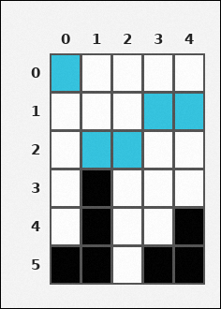 | 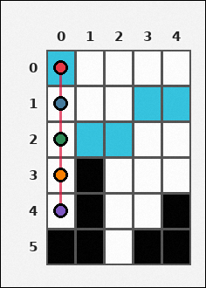 | task_tile_transition_gravity_max_drop | gravity_max_drop | Look at the rectangular tile board with 6 rows and 5 columns. The board uses row labels on the left and column labels on the top. One cyan [#34C4E0] tile appears in every column. After every such tile drops straight down until it reaches a black [#000000] tile or the board bottom, what is the greatest drop distance? Return a valid JSON object with keys "evidence" and "answer" in that order. Evidence rule: set "evidence" to the ordered [row, col] path of the uniquely farthest-falling tile from its start cell to its final cell. Answer rule: set "answer" to the maximum downward drop distance in cells as an integer. Example JSON: {"evidence":[[0,1],[1,1],[2,1]],"answer":2} | Look at the rectangular tile board with 6 rows and 5 columns. The board uses row labels on the left and column labels on the top. One cyan [#34C4E0] tile appears in every column. After every such tile drops straight down until it reaches a black [#000000] tile or the board bottom, what is the greatest drop distance? Return a valid JSON object with key "answer". Answer: set "answer" to the maximum downward drop distance in cells as an integer. Example JSON: {"answer":2} | {"evidence": [[0, 0], [1, 0], [2, 0], [3, 0], [4, 0]], "answer": 4} | [[0, 0], [1, 0], [2, 0], [3, 0], [4, 0]] | integer | grid_point_path | 40002930351992 | tile/task_tile_transition_gravity_max_drop/images/default/0008.png | tile/task_tile_transition_gravity_max_drop/data/default/0008.json
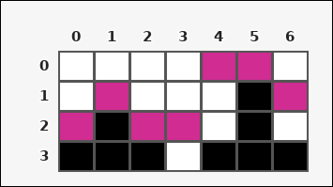 | 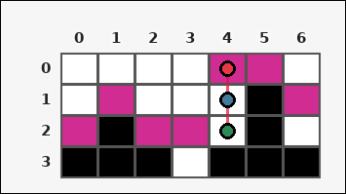 | task_tile_transition_gravity_max_drop | gravity_max_drop | Look at the rectangular tile board with 4 rows and 7 columns. The board uses row labels on the left and column labels on the top. Every column has exactly one magenta [#D02C91] tile. When those tiles fall vertically until blocked by a black [#000000] tile or the bottom edge, how many cells does the farthest-falling tile move? Return a valid JSON object with keys "evidence" and "answer" in that order. Evidence format: set "evidence" to the ordered [row, col] path of the uniquely farthest-falling tile from its start cell to its final cell. Answer requirement: set "answer" to the maximum downward drop distance in cells as an integer. Example JSON: {"evidence":[[0,1],[1,1],[2,1]],"answer":2} | Look at the rectangular tile board with 4 rows and 7 columns. The board uses row labels on the left and column labels on the top. Every column has exactly one magenta [#D02C91] tile. When those tiles fall vertically until blocked by a black [#000000] tile or the bottom edge, how many cells does the farthest-falling tile move? Return a valid JSON object with key "answer". Answer format: set "answer" to the maximum downward drop distance in cells as an integer. Example JSON: {"answer":2} | {"evidence": [[0, 4], [1, 4], [2, 4]], "answer": 2} | [[0, 4], [1, 4], [2, 4]] | integer | grid_point_path | 335626159601010 | tile/task_tile_transition_gravity_max_drop/images/default/0009.png | tile/task_tile_transition_gravity_max_drop/data/default/0009.json
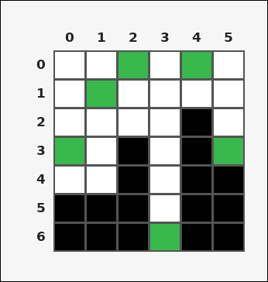 |  | task_tile_transition_gravity_max_drop | gravity_max_drop | The image shows one rectangular tile board with 7 rows and 6 columns. Row labels are on the left and column labels are on the top. Treat the green [#37B94B] tile in each column as a falling tile. If it moves straight down until a black [#000000] tile or the bottom edge stops it, what is the largest drop distance on the board? Return a valid JSON object with keys "evidence" and "answer" in that order. Evidence: set "evidence" to the ordered [row, col] path of the uniquely farthest-falling tile from its start cell to its final cell. Answer: set "answer" to the maximum downward drop distance in cells as an integer. Example JSON: {"evidence":[[0,1],[1,1],[2,1]],"answer":2} | The image shows one rectangular tile board with 7 rows and 6 columns. Row labels are on the left and column labels are on the top. Treat the green [#37B94B] tile in each column as a falling tile. If it moves straight down until a black [#000000] tile or the bottom edge stops it, what is the largest drop distance on the board? Return a valid JSON object with key "answer". Answer field: set "answer" to the maximum downward drop distance in cells as an integer. Example JSON: {"answer":2} | {"evidence": [[1, 1], [2, 1], [3, 1], [4, 1]], "answer": 3} | [[1, 1], [2, 1], [3, 1], [4, 1]] | integer | grid_point_path | 543248851870779 | tile/task_tile_transition_gravity_max_drop/images/default/0012.png | tile/task_tile_transition_gravity_max_drop/data/default/0012.json
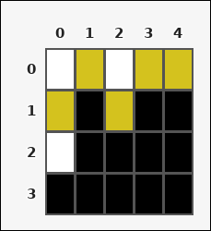 | 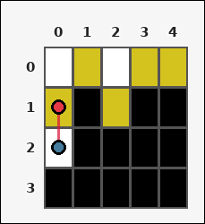 | task_tile_transition_gravity_max_drop | gravity_max_drop | Work from the labeled rectangular tile board in the image. It has 4 rows and 5 columns with visible row and column indices. Each column contains one yellow [#D4C21E] tile. If all of them fall straight downward until blocked by a black [#000000] tile or the bottom edge, what is the maximum number of cells any tile moves? Return a valid JSON object with keys "evidence" and "answer" in that order. Evidence: set "evidence" to the ordered [row, col] path of the uniquely farthest-falling tile from its start cell to its final cell. Answer: set "answer" to the maximum downward drop distance in cells as an integer. Example JSON: {"evidence":[[0,1],[1,1],[2,1]],"answer":2} | Work from the labeled rectangular tile board in the image. It has 4 rows and 5 columns with visible row and column indices. Each column contains one yellow [#D4C21E] tile. If all of them fall straight downward until blocked by a black [#000000] tile or the bottom edge, what is the maximum number of cells any tile moves? Return a valid JSON object with key "answer". Answer field: set "answer" to the maximum downward drop distance in cells as an integer. Example JSON: {"answer":2} | {"evidence": [[1, 0], [2, 0]], "answer": 1} | [[1, 0], [2, 0]] | integer | grid_point_path | 801812179443906 | tile/task_tile_transition_gravity_max_drop/images/default/0013.png | tile/task_tile_transition_gravity_max_drop/data/default/0013.json
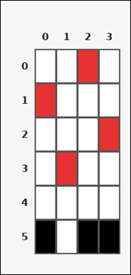 | 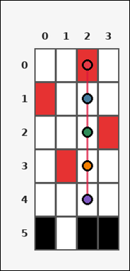 | task_tile_transition_gravity_max_drop | gravity_max_drop | You are given one rectangular tile board on a 6 by 4 grid. Read rows from the left labels and columns from the top labels. Treat the red [#E63232] tile in each column as a falling tile. If it moves straight down until a black [#000000] tile or the bottom edge stops it, what is the largest drop distance on the board? Return a valid JSON object with keys "evidence" and "answer" in that order. Evidence field: set "evidence" to the ordered [row, col] path of the uniquely farthest-falling tile from its start cell to its final cell. Answer field: set "answer" to the maximum downward drop distance in cells as an integer. Example JSON: {"evidence":[[0,1],[1,1],[2,1]],"answer":2} | You are given one rectangular tile board on a 6 by 4 grid. Read rows from the left labels and columns from the top labels. Treat the red [#E63232] tile in each column as a falling tile. If it moves straight down until a black [#000000] tile or the bottom edge stops it, what is the largest drop distance on the board? Return a valid JSON object with key "answer". Answer rule: set "answer" to the maximum downward drop distance in cells as an integer. Example JSON: {"answer":2} | {"evidence": [[0, 2], [1, 2], [2, 2], [3, 2], [4, 2]], "answer": 4} | [[0, 2], [1, 2], [2, 2], [3, 2], [4, 2]] | integer | grid_point_path | 1.5656489846E+15 | tile/task_tile_transition_gravity_max_drop/images/default/0006.png | tile/task_tile_transition_gravity_max_drop/data/default/0006.json
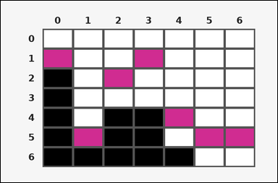 |  | task_tile_transition_gravity_max_drop | gravity_max_drop | Work from the labeled rectangular tile board in the image. It has 7 rows and 7 columns with visible row and column indices. Treat the magenta [#D02C91] tile in each column as a falling tile. If it moves straight down until a black [#000000] tile or the bottom edge stops it, what is the largest drop distance on the board? Return a valid JSON object with keys "evidence" and "answer" in that order. Evidence rule: set "evidence" to the ordered [row, col] path of the uniquely farthest-falling tile from its start cell to its final cell. Answer rule: set "answer" to the maximum downward drop distance in cells as an integer. Example JSON: {"evidence":[[0,1],[1,1],[2,1]],"answer":2} | Work from the labeled rectangular tile board in the image. It has 7 rows and 7 columns with visible row and column indices. Treat the magenta [#D02C91] tile in each column as a falling tile. If it moves straight down until a black [#000000] tile or the bottom edge stops it, what is the largest drop distance on the board? Return a valid JSON object with key "answer". Answer: set "answer" to the maximum downward drop distance in cells as an integer. Example JSON: {"answer":2} | {"evidence": [[1, 3], [2, 3], [3, 3]], "answer": 2} | [[1, 3], [2, 3], [3, 3]] | integer | grid_point_path | 2.1640543995E+15 | tile/task_tile_transition_gravity_max_drop/images/default/0007.png | tile/task_tile_transition_gravity_max_drop/data/default/0007.json
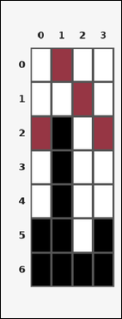 | 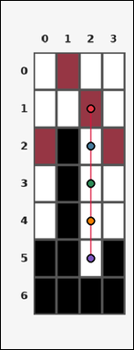 | task_tile_transition_gravity_max_drop | gravity_max_drop | Work from the labeled rectangular tile board in the image. It has 7 rows and 4 columns with visible row and column indices. One maroon [#963644] tile appears in every column. After every such tile drops straight down until it reaches a black [#000000] tile or the board bottom, what is the greatest drop distance? Return a valid JSON object with keys "evidence" and "answer" in that order. Evidence: set "evidence" to the ordered [row, col] path of the uniquely farthest-falling tile from its start cell to its final cell. Answer: set "answer" to the maximum downward drop distance in cells as an integer. Example JSON: {"evidence":[[0,1],[1,1],[2,1]],"answer":2} | Work from the labeled rectangular tile board in the image. It has 7 rows and 4 columns with visible row and column indices. One maroon [#963644] tile appears in every column. After every such tile drops straight down until it reaches a black [#000000] tile or the board bottom, what is the greatest drop distance? Return a valid JSON object with key "answer". Answer rule: set "answer" to the maximum downward drop distance in cells as an integer. Example JSON: {"answer":2} | {"evidence": [[1, 2], [2, 2], [3, 2], [4, 2], [5, 2]], "answer": 4} | [[1, 2], [2, 2], [3, 2], [4, 2], [5, 2]] | integer | grid_point_path | 2.6233472377E+15 | tile/task_tile_transition_gravity_max_drop/images/default/0002.png | tile/task_tile_transition_gravity_max_drop/data/default/0002.json
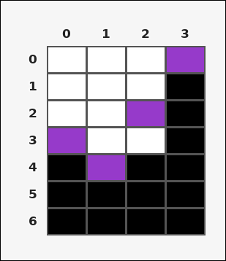 | 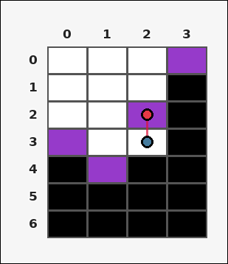 | task_tile_transition_gravity_max_drop | gravity_max_drop | The image shows one rectangular tile board with 7 rows and 4 columns. Row labels are on the left and column labels are on the top. Consider the purple [#963ACA] tile in each column falling straight down. If a black [#000000] tile or the bottom edge stops each fall, what is the maximum downward drop distance? Return a valid JSON object with keys "evidence" and "answer" in that order. Evidence: set "evidence" to the ordered [row, col] path of the uniquely farthest-falling tile from its start cell to its final cell. Answer: set "answer" to the maximum downward drop distance in cells as an integer. Example JSON: {"evidence":[[0,1],[1,1],[2,1]],"answer":2} | The image shows one rectangular tile board with 7 rows and 4 columns. Row labels are on the left and column labels are on the top. Consider the purple [#963ACA] tile in each column falling straight down. If a black [#000000] tile or the bottom edge stops each fall, what is the maximum downward drop distance? Return a valid JSON object with key "answer". Answer rule: set "answer" to the maximum downward drop distance in cells as an integer. Example JSON: {"answer":2} | {"evidence": [[2, 2], [3, 2]], "answer": 1} | [[2, 2], [3, 2]] | integer | grid_point_path | 3.3129924212E+15 | tile/task_tile_transition_gravity_max_drop/images/default/0023.png | tile/task_tile_transition_gravity_max_drop/data/default/0023.json
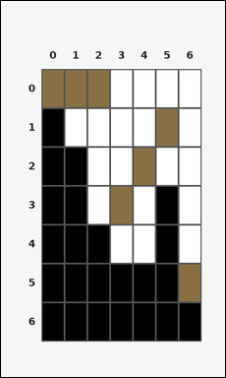 | 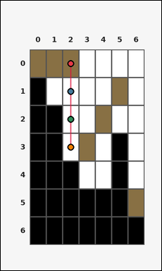 | task_tile_transition_gravity_max_drop | gravity_max_drop | Work from the labeled rectangular tile board in the image. It has 7 rows and 7 columns with visible row and column indices. Each column contains one brown [#887044] tile. If all of them fall straight downward until blocked by a black [#000000] tile or the bottom edge, what is the maximum number of cells any tile moves? Return a valid JSON object with keys "evidence" and "answer" in that order. Evidence: set "evidence" to the ordered [row, col] path of the uniquely farthest-falling tile from its start cell to its final cell. Answer: set "answer" to the maximum downward drop distance in cells as an integer. Example JSON: {"evidence":[[0,1],[1,1],[2,1]],"answer":2} | Work from the labeled rectangular tile board in the image. It has 7 rows and 7 columns with visible row and column indices. Each column contains one brown [#887044] tile. If all of them fall straight downward until blocked by a black [#000000] tile or the bottom edge, what is the maximum number of cells any tile moves? Return a valid JSON object with key "answer". Answer field: set "answer" to the maximum downward drop distance in cells as an integer. Example JSON: {"answer":2} | {"evidence": [[0, 2], [1, 2], [2, 2], [3, 2]], "answer": 3} | [[0, 2], [1, 2], [2, 2], [3, 2]] | integer | grid_point_path | 3.5857805403E+15 | tile/task_tile_transition_gravity_max_drop/images/default/0010.png | tile/task_tile_transition_gravity_max_drop/data/default/0010.json
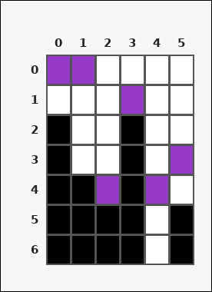 | 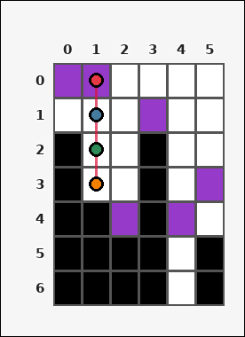 | task_tile_transition_gravity_max_drop | gravity_max_drop | Use the single rectangular tile board in the image. It has 7 rows and 6 columns, with rows labeled on the left and columns labeled on the top. Every column has exactly one purple [#963ACA] tile. When those tiles fall vertically until blocked by a black [#000000] tile or the bottom edge, how many cells does the farthest-falling tile move? Return a valid JSON object with keys "evidence" and "answer" in that order. Evidence rule: set "evidence" to the ordered [row, col] path of the uniquely farthest-falling tile from its start cell to its final cell. Answer rule: set "answer" to the maximum downward drop distance in cells as an integer. Example JSON: {"evidence":[[0,1],[1,1],[2,1]],"answer":2} | Use the single rectangular tile board in the image. It has 7 rows and 6 columns, with rows labeled on the left and columns labeled on the top. Every column has exactly one purple [#963ACA] tile. When those tiles fall vertically until blocked by a black [#000000] tile or the bottom edge, how many cells does the farthest-falling tile move? Return a valid JSON object with key "answer". Answer: set "answer" to the maximum downward drop distance in cells as an integer. Example JSON: {"answer":2} | {"evidence": [[0, 1], [1, 1], [2, 1], [3, 1]], "answer": 3} | [[0, 1], [1, 1], [2, 1], [3, 1]] | integer | grid_point_path | 3.6293364825E+15 | tile/task_tile_transition_gravity_max_drop/images/default/0015.png | tile/task_tile_transition_gravity_max_drop/data/default/0015.json
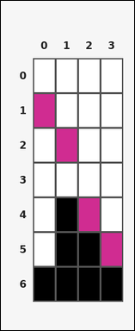 | 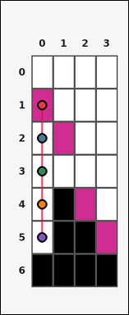 | task_tile_transition_gravity_max_drop | gravity_max_drop | Look at the rectangular tile board with 7 rows and 4 columns. The board uses row labels on the left and column labels on the top. Every column has exactly one magenta [#D02C91] tile. When those tiles fall vertically until blocked by a black [#000000] tile or the bottom edge, how many cells does the farthest-falling tile move? Return a valid JSON object with keys "evidence" and "answer" in that order. Evidence rule: set "evidence" to the ordered [row, col] path of the uniquely farthest-falling tile from its start cell to its final cell. Answer rule: set "answer" to the maximum downward drop distance in cells as an integer. Example JSON: {"evidence":[[0,1],[1,1],[2,1]],"answer":2} | Look at the rectangular tile board with 7 rows and 4 columns. The board uses row labels on the left and column labels on the top. Every column has exactly one magenta [#D02C91] tile. When those tiles fall vertically until blocked by a black [#000000] tile or the bottom edge, how many cells does the farthest-falling tile move? Return a valid JSON object with key "answer". Answer: set "answer" to the maximum downward drop distance in cells as an integer. Example JSON: {"answer":2} | {"evidence": [[1, 0], [2, 0], [3, 0], [4, 0], [5, 0]], "answer": 4} | [[1, 0], [2, 0], [3, 0], [4, 0], [5, 0]] | integer | grid_point_path | 3.7028972551E+15 | tile/task_tile_transition_gravity_max_drop/images/default/0016.png | tile/task_tile_transition_gravity_max_drop/data/default/0016.json
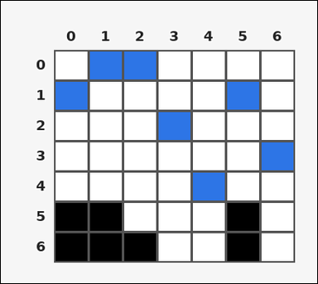 | 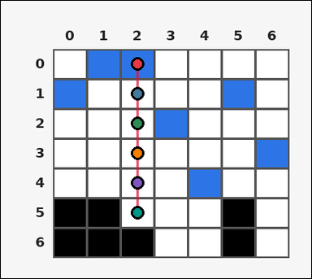 | task_tile_transition_gravity_max_drop | gravity_max_drop | You are given one rectangular tile board on a 7 by 7 grid. Read rows from the left labels and columns from the top labels. Each column contains one blue [#2D75E6] tile. If all of them fall straight downward until blocked by a black [#000000] tile or the bottom edge, what is the maximum number of cells any tile moves? Return a valid JSON object with keys "evidence" and "answer" in that order. Evidence rule: set "evidence" to the ordered [row, col] path of the uniquely farthest-falling tile from its start cell to its final cell. Answer rule: set "answer" to the maximum downward drop distance in cells as an integer. Example JSON: {"evidence":[[0,1],[1,1],[2,1]],"answer":2} | You are given one rectangular tile board on a 7 by 7 grid. Read rows from the left labels and columns from the top labels. Each column contains one blue [#2D75E6] tile. If all of them fall straight downward until blocked by a black [#000000] tile or the bottom edge, what is the maximum number of cells any tile moves? Return a valid JSON object with key "answer". Answer rule: set "answer" to the maximum downward drop distance in cells as an integer. Example JSON: {"answer":2} | {"evidence": [[0, 2], [1, 2], [2, 2], [3, 2], [4, 2], [5, 2]], "answer": 5} | [[0, 2], [1, 2], [2, 2], [3, 2], [4, 2], [5, 2]] | integer | grid_point_path | 3.803240654E+15 | tile/task_tile_transition_gravity_max_drop/images/default/0001.png | tile/task_tile_transition_gravity_max_drop/data/default/0001.json
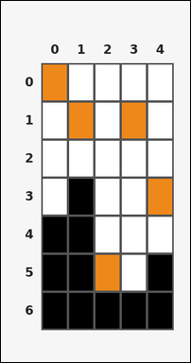 | 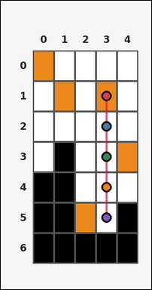 | task_tile_transition_gravity_max_drop | gravity_max_drop | Use the single rectangular tile board in the image. It has 7 rows and 5 columns, with rows labeled on the left and columns labeled on the top. One orange [#EE881A] tile appears in every column. After every such tile drops straight down until it reaches a black [#000000] tile or the board bottom, what is the greatest drop distance? Return a valid JSON object with keys "evidence" and "answer" in that order. Evidence requirement: set "evidence" to the ordered [row, col] path of the uniquely farthest-falling tile from its start cell to its final cell. Answer format: set "answer" to the maximum downward drop distance in cells as an integer. Example JSON: {"evidence":[[0,1],[1,1],[2,1]],"answer":2} | Use the single rectangular tile board in the image. It has 7 rows and 5 columns, with rows labeled on the left and columns labeled on the top. One orange [#EE881A] tile appears in every column. After every such tile drops straight down until it reaches a black [#000000] tile or the board bottom, what is the greatest drop distance? Return a valid JSON object with key "answer". Answer requirement: set "answer" to the maximum downward drop distance in cells as an integer. Example JSON: {"answer":2} | {"evidence": [[1, 3], [2, 3], [3, 3], [4, 3], [5, 3]], "answer": 4} | [[1, 3], [2, 3], [3, 3], [4, 3], [5, 3]] | integer | grid_point_path | 4.0032196256E+15 | tile/task_tile_transition_gravity_max_drop/images/default/0000.png | tile/task_tile_transition_gravity_max_drop/data/default/0000.json
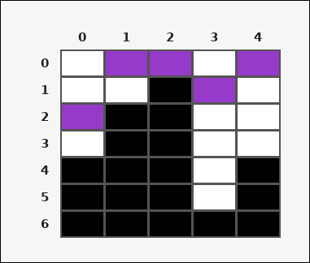 | 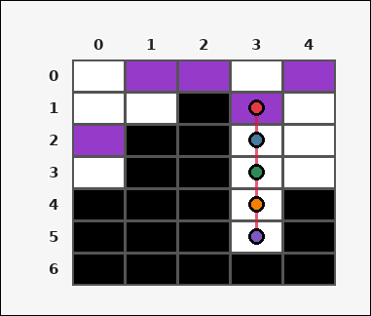 | task_tile_transition_gravity_max_drop | gravity_max_drop | Work from the labeled rectangular tile board in the image. It has 7 rows and 5 columns with visible row and column indices. Each column contains one purple [#963ACA] tile. If all of them fall straight downward until blocked by a black [#000000] tile or the bottom edge, what is the maximum number of cells any tile moves? Return a valid JSON object with keys "evidence" and "answer" in that order. Evidence field: set "evidence" to the ordered [row, col] path of the uniquely farthest-falling tile from its start cell to its final cell. Answer field: set "answer" to the maximum downward drop distance in cells as an integer. Example JSON: {"evidence":[[0,1],[1,1],[2,1]],"answer":2} | Work from the labeled rectangular tile board in the image. It has 7 rows and 5 columns with visible row and column indices. Each column contains one purple [#963ACA] tile. If all of them fall straight downward until blocked by a black [#000000] tile or the bottom edge, what is the maximum number of cells any tile moves? Return a valid JSON object with key "answer". Answer format: set "answer" to the maximum downward drop distance in cells as an integer. Example JSON: {"answer":2} | {"evidence": [[1, 3], [2, 3], [3, 3], [4, 3], [5, 3]], "answer": 4} | [[1, 3], [2, 3], [3, 3], [4, 3], [5, 3]] | integer | grid_point_path | 4.351028578E+15 | tile/task_tile_transition_gravity_max_drop/images/default/0019.png | tile/task_tile_transition_gravity_max_drop/data/default/0019.json
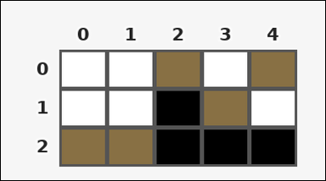 | 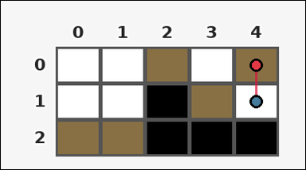 | task_tile_transition_gravity_max_drop | gravity_max_drop | Look at the rectangular tile board with 3 rows and 5 columns. The board uses row labels on the left and column labels on the top. Each column contains one brown [#887044] tile. If all of them fall straight downward until blocked by a black [#000000] tile or the bottom edge, what is the maximum number of cells any tile moves? Return a valid JSON object with keys "evidence" and "answer" in that order. Evidence: set "evidence" to the ordered [row, col] path of the uniquely farthest-falling tile from its start cell to its final cell. Answer: set "answer" to the maximum downward drop distance in cells as an integer. Example JSON: {"evidence":[[0,1],[1,1],[2,1]],"answer":2} | Look at the rectangular tile board with 3 rows and 5 columns. The board uses row labels on the left and column labels on the top. Each column contains one brown [#887044] tile. If all of them fall straight downward until blocked by a black [#000000] tile or the bottom edge, what is the maximum number of cells any tile moves? Return a valid JSON object with key "answer". Answer: set "answer" to the maximum downward drop distance in cells as an integer. Example JSON: {"answer":2} | {"evidence": [[0, 4], [1, 4]], "answer": 1} | [[0, 4], [1, 4]] | integer | grid_point_path | 4.3926089999E+15 | tile/task_tile_transition_gravity_max_drop/images/default/0024.png | tile/task_tile_transition_gravity_max_drop/data/default/0024.json
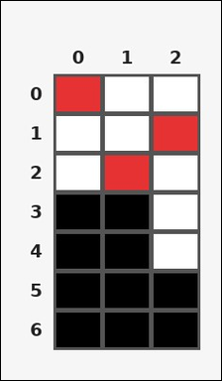 | 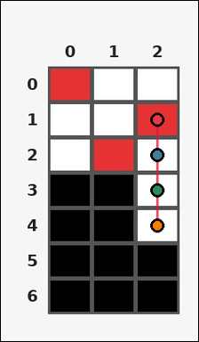 | task_tile_transition_gravity_max_drop | gravity_max_drop | Look at the rectangular tile board with 7 rows and 3 columns. The board uses row labels on the left and column labels on the top. Each column contains one red [#E63232] tile. If all of them fall straight downward until blocked by a black [#000000] tile or the bottom edge, what is the maximum number of cells any tile moves? Return a valid JSON object with keys "evidence" and "answer" in that order. Evidence format: set "evidence" to the ordered [row, col] path of the uniquely farthest-falling tile from its start cell to its final cell. Answer requirement: set "answer" to the maximum downward drop distance in cells as an integer. Example JSON: {"evidence":[[0,1],[1,1],[2,1]],"answer":2} | Look at the rectangular tile board with 7 rows and 3 columns. The board uses row labels on the left and column labels on the top. Each column contains one red [#E63232] tile. If all of them fall straight downward until blocked by a black [#000000] tile or the bottom edge, what is the maximum number of cells any tile moves? Return a valid JSON object with key "answer". Answer: set "answer" to the maximum downward drop distance in cells as an integer. Example JSON: {"answer":2} | {"evidence": [[1, 2], [2, 2], [3, 2], [4, 2]], "answer": 3} | [[1, 2], [2, 2], [3, 2], [4, 2]] | integer | grid_point_path | 4.7438437776E+15 | tile/task_tile_transition_gravity_max_drop/images/default/0022.png | tile/task_tile_transition_gravity_max_drop/data/default/0022.json
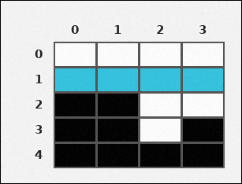 |  | task_tile_transition_gravity_max_drop | gravity_max_drop | You are given one rectangular tile board on a 5 by 4 grid. Read rows from the left labels and columns from the top labels. One cyan [#34C4E0] tile appears in every column. After every such tile drops straight down until it reaches a black [#000000] tile or the board bottom, what is the greatest drop distance? Return a valid JSON object with keys "evidence" and "answer" in that order. Evidence format: set "evidence" to the ordered [row, col] path of the uniquely farthest-falling tile from its start cell to its final cell. Answer requirement: set "answer" to the maximum downward drop distance in cells as an integer. Example JSON: {"evidence":[[0,1],[1,1],[2,1]],"answer":2} | You are given one rectangular tile board on a 5 by 4 grid. Read rows from the left labels and columns from the top labels. One cyan [#34C4E0] tile appears in every column. After every such tile drops straight down until it reaches a black [#000000] tile or the board bottom, what is the greatest drop distance? Return a valid JSON object with key "answer". Answer: set "answer" to the maximum downward drop distance in cells as an integer. Example JSON: {"answer":2} | {"evidence": [[1, 2], [2, 2], [3, 2]], "answer": 2} | [[1, 2], [2, 2], [3, 2]] | integer | grid_point_path | 5.1212234961E+15 | tile/task_tile_transition_gravity_max_drop/images/default/0017.png | tile/task_tile_transition_gravity_max_drop/data/default/0017.json
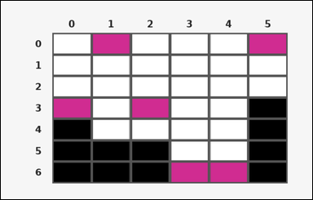 | 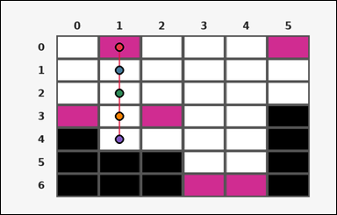 | task_tile_transition_gravity_max_drop | gravity_max_drop | Work from the labeled rectangular tile board in the image. It has 7 rows and 6 columns with visible row and column indices. Consider the magenta [#D02C91] tile in each column falling straight down. If a black [#000000] tile or the bottom edge stops each fall, what is the maximum downward drop distance? Return a valid JSON object with keys "evidence" and "answer" in that order. Evidence: set "evidence" to the ordered [row, col] path of the uniquely farthest-falling tile from its start cell to its final cell. Answer: set "answer" to the maximum downward drop distance in cells as an integer. Example JSON: {"evidence":[[0,1],[1,1],[2,1]],"answer":2} | Work from the labeled rectangular tile board in the image. It has 7 rows and 6 columns with visible row and column indices. Consider the magenta [#D02C91] tile in each column falling straight down. If a black [#000000] tile or the bottom edge stops each fall, what is the maximum downward drop distance? Return a valid JSON object with key "answer". Answer field: set "answer" to the maximum downward drop distance in cells as an integer. Example JSON: {"answer":2} | {"evidence": [[0, 1], [1, 1], [2, 1], [3, 1], [4, 1]], "answer": 4} | [[0, 1], [1, 1], [2, 1], [3, 1], [4, 1]] | integer | grid_point_path | 5.4565896695E+15 | tile/task_tile_transition_gravity_max_drop/images/default/0004.png | tile/task_tile_transition_gravity_max_drop/data/default/0004.json
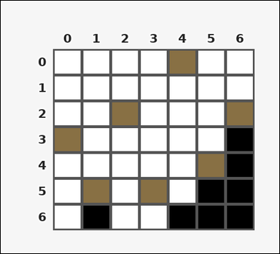 | 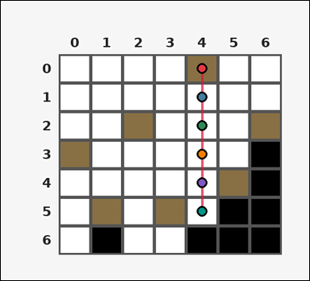 | task_tile_transition_gravity_max_drop | gravity_max_drop | The image shows one rectangular tile board with 7 rows and 7 columns. Row labels are on the left and column labels are on the top. One brown [#887044] tile appears in every column. After every such tile drops straight down until it reaches a black [#000000] tile or the board bottom, what is the greatest drop distance? Return a valid JSON object with keys "evidence" and "answer" in that order. Evidence format: set "evidence" to the ordered [row, col] path of the uniquely farthest-falling tile from its start cell to its final cell. Answer requirement: set "answer" to the maximum downward drop distance in cells as an integer. Example JSON: {"evidence":[[0,1],[1,1],[2,1]],"answer":2} | The image shows one rectangular tile board with 7 rows and 7 columns. Row labels are on the left and column labels are on the top. One brown [#887044] tile appears in every column. After every such tile drops straight down until it reaches a black [#000000] tile or the board bottom, what is the greatest drop distance? Return a valid JSON object with key "answer". Answer format: set "answer" to the maximum downward drop distance in cells as an integer. Example JSON: {"answer":2} | {"evidence": [[0, 4], [1, 4], [2, 4], [3, 4], [4, 4], [5, 4]], "answer": 5} | [[0, 4], [1, 4], [2, 4], [3, 4], [4, 4], [5, 4]] | integer | grid_point_path | 5.6024327706E+15 | tile/task_tile_transition_gravity_max_drop/images/default/0005.png | tile/task_tile_transition_gravity_max_drop/data/default/0005.json
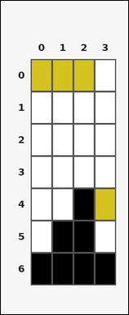 | 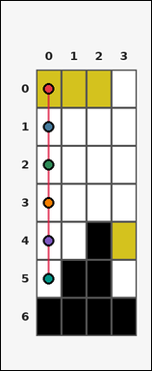 | task_tile_transition_gravity_max_drop | gravity_max_drop | Look at the rectangular tile board with 7 rows and 4 columns. The board uses row labels on the left and column labels on the top. Treat the yellow [#D4C21E] tile in each column as a falling tile. If it moves straight down until a black [#000000] tile or the bottom edge stops it, what is the largest drop distance on the board? Return a valid JSON object with keys "evidence" and "answer" in that order. Evidence rule: set "evidence" to the ordered [row, col] path of the uniquely farthest-falling tile from its start cell to its final cell. Answer rule: set "answer" to the maximum downward drop distance in cells as an integer. Example JSON: {"evidence":[[0,1],[1,1],[2,1]],"answer":2} | Look at the rectangular tile board with 7 rows and 4 columns. The board uses row labels on the left and column labels on the top. Treat the yellow [#D4C21E] tile in each column as a falling tile. If it moves straight down until a black [#000000] tile or the bottom edge stops it, what is the largest drop distance on the board? Return a valid JSON object with key "answer". Answer rule: set "answer" to the maximum downward drop distance in cells as an integer. Example JSON: {"answer":2} | {"evidence": [[0, 0], [1, 0], [2, 0], [3, 0], [4, 0], [5, 0]], "answer": 5} | [[0, 0], [1, 0], [2, 0], [3, 0], [4, 0], [5, 0]] | integer | grid_point_path | 5.6741326911E+15 | tile/task_tile_transition_gravity_max_drop/images/default/0014.png | tile/task_tile_transition_gravity_max_drop/data/default/0014.json
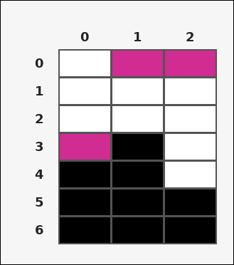 | 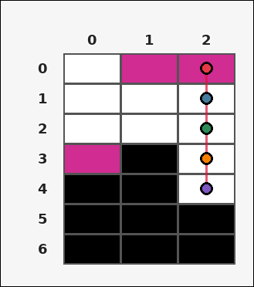 | task_tile_transition_gravity_max_drop | gravity_max_drop | Work from the labeled rectangular tile board in the image. It has 7 rows and 3 columns with visible row and column indices. Each column contains one magenta [#D02C91] tile. If all of them fall straight downward until blocked by a black [#000000] tile or the bottom edge, what is the maximum number of cells any tile moves? Return a valid JSON object with keys "evidence" and "answer" in that order. Evidence rule: set "evidence" to the ordered [row, col] path of the uniquely farthest-falling tile from its start cell to its final cell. Answer rule: set "answer" to the maximum downward drop distance in cells as an integer. Example JSON: {"evidence":[[0,1],[1,1],[2,1]],"answer":2} | Work from the labeled rectangular tile board in the image. It has 7 rows and 3 columns with visible row and column indices. Each column contains one magenta [#D02C91] tile. If all of them fall straight downward until blocked by a black [#000000] tile or the bottom edge, what is the maximum number of cells any tile moves? Return a valid JSON object with key "answer". Answer requirement: set "answer" to the maximum downward drop distance in cells as an integer. Example JSON: {"answer":2} | {"evidence": [[0, 2], [1, 2], [2, 2], [3, 2], [4, 2]], "answer": 4} | [[0, 2], [1, 2], [2, 2], [3, 2], [4, 2]] | integer | grid_point_path | 5.8626973604E+15 | tile/task_tile_transition_gravity_max_drop/images/default/0003.png | tile/task_tile_transition_gravity_max_drop/data/default/0003.json
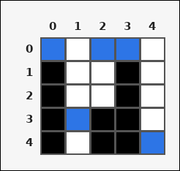 | 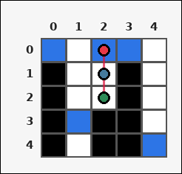 | task_tile_transition_gravity_max_drop | gravity_max_drop | The image shows one rectangular tile board with 5 rows and 5 columns. Row labels are on the left and column labels are on the top. One blue [#2D75E6] tile appears in every column. After every such tile drops straight down until it reaches a black [#000000] tile or the board bottom, what is the greatest drop distance? Return a valid JSON object with keys "evidence" and "answer" in that order. Evidence format: set "evidence" to the ordered [row, col] path of the uniquely farthest-falling tile from its start cell to its final cell. Answer requirement: set "answer" to the maximum downward drop distance in cells as an integer. Example JSON: {"evidence":[[0,1],[1,1],[2,1]],"answer":2} | The image shows one rectangular tile board with 5 rows and 5 columns. Row labels are on the left and column labels are on the top. One blue [#2D75E6] tile appears in every column. After every such tile drops straight down until it reaches a black [#000000] tile or the board bottom, what is the greatest drop distance? Return a valid JSON object with key "answer". Answer field: set "answer" to the maximum downward drop distance in cells as an integer. Example JSON: {"answer":2} | {"evidence": [[0, 2], [1, 2], [2, 2]], "answer": 2} | [[0, 2], [1, 2], [2, 2]] | integer | grid_point_path | 6.6323524837E+15 | tile/task_tile_transition_gravity_max_drop/images/default/0018.png | tile/task_tile_transition_gravity_max_drop/data/default/0018.json
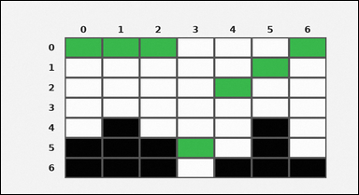 | 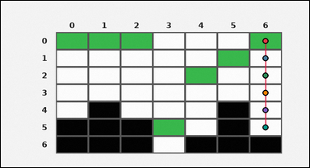 | task_tile_transition_gravity_max_drop | gravity_max_drop | You are given one rectangular tile board on a 7 by 7 grid. Read rows from the left labels and columns from the top labels. Every column has exactly one green [#37B94B] tile. When those tiles fall vertically until blocked by a black [#000000] tile or the bottom edge, how many cells does the farthest-falling tile move? Return a valid JSON object with keys "evidence" and "answer" in that order. Evidence format: set "evidence" to the ordered [row, col] path of the uniquely farthest-falling tile from its start cell to its final cell. Answer requirement: set "answer" to the maximum downward drop distance in cells as an integer. Example JSON: {"evidence":[[0,1],[1,1],[2,1]],"answer":2} | You are given one rectangular tile board on a 7 by 7 grid. Read rows from the left labels and columns from the top labels. Every column has exactly one green [#37B94B] tile. When those tiles fall vertically until blocked by a black [#000000] tile or the bottom edge, how many cells does the farthest-falling tile move? Return a valid JSON object with key "answer". Answer field: set "answer" to the maximum downward drop distance in cells as an integer. Example JSON: {"answer":2} | {"evidence": [[0, 6], [1, 6], [2, 6], [3, 6], [4, 6], [5, 6]], "answer": 5} | [[0, 6], [1, 6], [2, 6], [3, 6], [4, 6], [5, 6]] | integer | grid_point_path | 6.7977791492E+15 | tile/task_tile_transition_gravity_max_drop/images/default/0021.png | tile/task_tile_transition_gravity_max_drop/data/default/0021.json
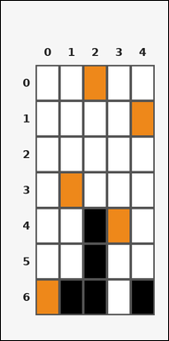 | 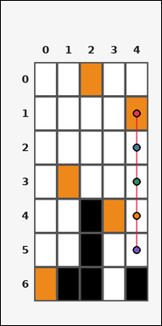 | task_tile_transition_gravity_max_drop | gravity_max_drop | Use the single rectangular tile board in the image. It has 7 rows and 5 columns, with rows labeled on the left and columns labeled on the top. Each column contains one orange [#EE881A] tile. If all of them fall straight downward until blocked by a black [#000000] tile or the bottom edge, what is the maximum number of cells any tile moves? Return a valid JSON object with keys "evidence" and "answer" in that order. Evidence format: set "evidence" to the ordered [row, col] path of the uniquely farthest-falling tile from its start cell to its final cell. Answer requirement: set "answer" to the maximum downward drop distance in cells as an integer. Example JSON: {"evidence":[[0,1],[1,1],[2,1]],"answer":2} | Use the single rectangular tile board in the image. It has 7 rows and 5 columns, with rows labeled on the left and columns labeled on the top. Each column contains one orange [#EE881A] tile. If all of them fall straight downward until blocked by a black [#000000] tile or the bottom edge, what is the maximum number of cells any tile moves? Return a valid JSON object with key "answer". Answer rule: set "answer" to the maximum downward drop distance in cells as an integer. Example JSON: {"answer":2} | {"evidence": [[1, 4], [2, 4], [3, 4], [4, 4], [5, 4]], "answer": 4} | [[1, 4], [2, 4], [3, 4], [4, 4], [5, 4]] | integer | grid_point_path | 6.9669166214E+15 | tile/task_tile_transition_gravity_max_drop/images/default/0011.png | tile/task_tile_transition_gravity_max_drop/data/default/0011.json
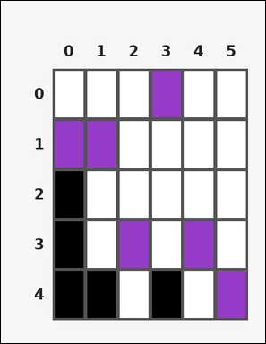 | 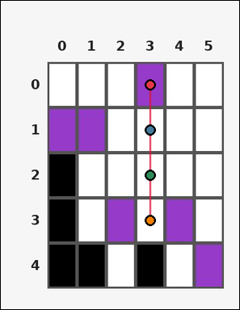 | task_tile_transition_gravity_max_drop | gravity_max_drop | Work from the labeled rectangular tile board in the image. It has 5 rows and 6 columns with visible row and column indices. Each column contains one purple [#963ACA] tile. If all of them fall straight downward until blocked by a black [#000000] tile or the bottom edge, what is the maximum number of cells any tile moves? Return a valid JSON object with keys "evidence" and "answer" in that order. Evidence field: set "evidence" to the ordered [row, col] path of the uniquely farthest-falling tile from its start cell to its final cell. Answer field: set "answer" to the maximum downward drop distance in cells as an integer. Example JSON: {"evidence":[[0,1],[1,1],[2,1]],"answer":2} | Work from the labeled rectangular tile board in the image. It has 5 rows and 6 columns with visible row and column indices. Each column contains one purple [#963ACA] tile. If all of them fall straight downward until blocked by a black [#000000] tile or the bottom edge, what is the maximum number of cells any tile moves? Return a valid JSON object with key "answer". Answer requirement: set "answer" to the maximum downward drop distance in cells as an integer. Example JSON: {"answer":2} | {"evidence": [[0, 3], [1, 3], [2, 3], [3, 3]], "answer": 3} | [[0, 3], [1, 3], [2, 3], [3, 3]] | integer | grid_point_path | 7.5418445022E+15 | tile/task_tile_transition_gravity_max_drop/images/default/0020.png | tile/task_tile_transition_gravity_max_drop/data/default/0020.json

