after_k_steps
image | evidence_image | task | task_variant | prompt | prompt_answer_only | answer | answer_evidence | answer_type | evidence_type | instance_seed | image_path | data_path
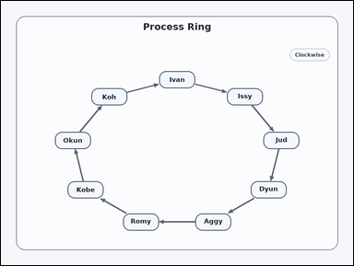 | 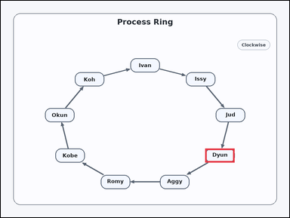 | task_diagrams_cycle_offset_stage_label | after_k_steps | Work from the labeled clockwise cycle: a clockwise cycle diagram with labeled stages connected by arrows. Use the cycle to answer: Moving clockwise around the cycle, what stage is 1 step after Jud? Return the exact label shown. Answer using the exact visible label. Return a valid JSON object with keys "evidence" and "answer" in that order. Evidence format: set "evidence" to an array containing exactly one bounding box [x1, y1, x2, y2] for the correct stage box. Answer requirement: set "answer" to the exact visible stage label. Example JSON: {"evidence":[[747,242,869,300]],"answer":"Mina"} | Work from the labeled clockwise cycle: a clockwise cycle diagram with labeled stages connected by arrows. Use the cycle to answer: Moving clockwise around the cycle, what stage is 1 step after Jud? Return the exact label shown. Answer using the exact visible label. Return a valid JSON object with key "answer". Answer: set "answer" to the exact visible stage label. Example JSON: {"answer":"Mina"} | {"evidence": [[850.769, 614.0, 972.769, 672.0]], "answer": "Dyun"} | [[850.769, 614.0, 972.769, 672.0]] | string | bbox_set | 500942214694776 | diagrams/task_diagrams_cycle_offset_stage_label/images/after_k_steps/0015.png | diagrams/task_diagrams_cycle_offset_stage_label/data/after_k_steps/0015.json
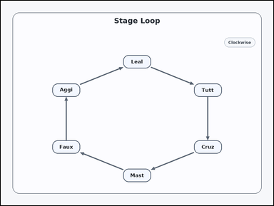 | 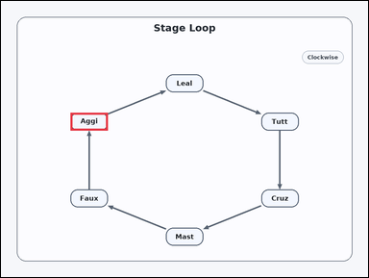 | task_diagrams_cycle_offset_stage_label | after_k_steps | Look at the cycle diagram in the image: a clockwise cycle diagram with labeled stages connected by arrows. Use the cycle to answer: Moving clockwise around the cycle, what stage is 5 steps after Leal? Return the exact label shown. Return the exact visible label. Return a valid JSON object with keys "evidence" and "answer" in that order. Evidence format: set "evidence" to an array containing exactly one bounding box [x1, y1, x2, y2] for the correct stage box. Answer requirement: set "answer" to the exact visible stage label. Example JSON: {"evidence":[[747,242,869,300]],"answer":"Mina"} | Look at the cycle diagram in the image: a clockwise cycle diagram with labeled stages connected by arrows. Use the cycle to answer: Moving clockwise around the cycle, what stage is 5 steps after Leal? Return the exact label shown. Return the exact visible label. Return a valid JSON object with key "answer". Answer: set "answer" to the exact visible stage label. Example JSON: {"answer":"Mina"} | {"evidence": [[227.231, 364.0, 349.231, 422.0]], "answer": "Aggi"} | [[227.231, 364.0, 349.231, 422.0]] | string | bbox_set | 809866733078856 | diagrams/task_diagrams_cycle_offset_stage_label/images/after_k_steps/0000.png | diagrams/task_diagrams_cycle_offset_stage_label/data/after_k_steps/0000.json
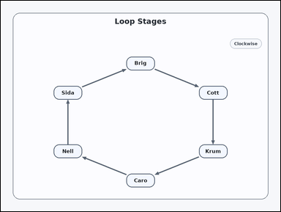 |  | task_diagrams_cycle_offset_stage_label | after_k_steps | Work from the labeled clockwise cycle: a clockwise cycle diagram with labeled stages connected by arrows. Determine the requested stage from the cycle: Moving clockwise around the cycle, what stage is 5 steps after Brig? Return the exact label shown. Answer using the exact visible label. Return a valid JSON object with keys "evidence" and "answer" in that order. Evidence: set "evidence" to an array containing exactly one bounding box [x1, y1, x2, y2] for the correct stage box. Answer: set "answer" to the exact visible stage label. Example JSON: {"evidence":[[747,242,869,300]],"answer":"Mina"} | Work from the labeled clockwise cycle: a clockwise cycle diagram with labeled stages connected by arrows. Determine the requested stage from the cycle: Moving clockwise around the cycle, what stage is 5 steps after Brig? Return the exact label shown. Answer using the exact visible label. Return a valid JSON object with key "answer". Answer rule: set "answer" to the exact visible stage label. Example JSON: {"answer":"Mina"} | {"evidence": [[227.231, 364.0, 349.231, 422.0]], "answer": "Sida"} | [[227.231, 364.0, 349.231, 422.0]] | string | bbox_set | 2.3222195512E+15 | diagrams/task_diagrams_cycle_offset_stage_label/images/after_k_steps/0021.png | diagrams/task_diagrams_cycle_offset_stage_label/data/after_k_steps/0021.json
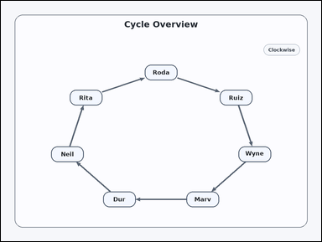 | 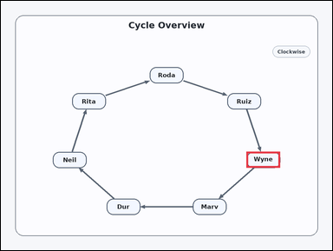 | task_diagrams_cycle_offset_stage_label | after_k_steps | Use the directed cycle diagram in the image: a clockwise cycle diagram with labeled stages connected by arrows. Moving clockwise around the cycle, what stage is 3 steps after Rita? Return the exact label shown. Answer with the exact label shown. Return a valid JSON object with keys "evidence" and "answer" in that order. Evidence format: set "evidence" to an array containing exactly one bounding box [x1, y1, x2, y2] for the correct stage box. Answer requirement: set "answer" to the exact visible stage label. Example JSON: {"evidence":[[747,242,869,300]],"answer":"Mina"} | Use the directed cycle diagram in the image: a clockwise cycle diagram with labeled stages connected by arrows. Moving clockwise around the cycle, what stage is 3 steps after Rita? Return the exact label shown. Answer with the exact label shown. Return a valid JSON object with key "answer". Answer rule: set "answer" to the exact visible stage label. Example JSON: {"answer":"Mina"} | {"evidence": [[889.974, 544.63, 1011.974, 602.63]], "answer": "Wyne"} | [[889.974, 544.63, 1011.974, 602.63]] | string | bbox_set | 2.6358261897E+15 | diagrams/task_diagrams_cycle_offset_stage_label/images/after_k_steps/0009.png | diagrams/task_diagrams_cycle_offset_stage_label/data/after_k_steps/0009.json
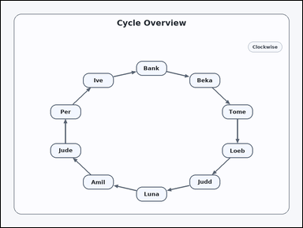 | 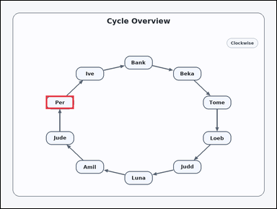 | task_diagrams_cycle_offset_stage_label | after_k_steps | Work from the labeled clockwise cycle: a clockwise cycle diagram with labeled stages connected by arrows. Determine the requested stage from the cycle: Moving clockwise around the cycle, what stage is 4 steps after Judd? Return the exact label shown. Give the full label exactly as shown. Return a valid JSON object with keys "evidence" and "answer" in that order. Evidence requirement: set "evidence" to an array containing exactly one bounding box [x1, y1, x2, y2] for the correct stage box. Answer format: set "answer" to the exact visible stage label. Example JSON: {"evidence":[[747,242,869,300]],"answer":"Mina"} | Work from the labeled clockwise cycle: a clockwise cycle diagram with labeled stages connected by arrows. Determine the requested stage from the cycle: Moving clockwise around the cycle, what stage is 4 steps after Judd? Return the exact label shown. Give the full label exactly as shown. Return a valid JSON object with key "answer". Answer rule: set "answer" to the exact visible stage label. Example JSON: {"answer":"Mina"} | {"evidence": [[196.62, 411.746, 318.62, 469.746]], "answer": "Per"} | [[196.62, 411.746, 318.62, 469.746]] | string | bbox_set | 2.9032055469E+15 | diagrams/task_diagrams_cycle_offset_stage_label/images/after_k_steps/0002.png | diagrams/task_diagrams_cycle_offset_stage_label/data/after_k_steps/0002.json
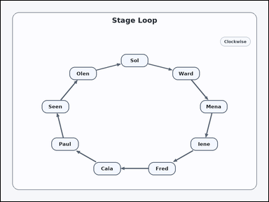 | 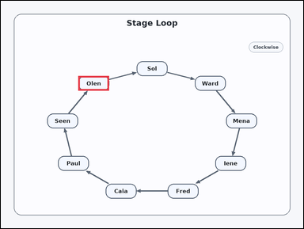 | task_diagrams_cycle_offset_stage_label | after_k_steps | The image shows a clockwise cycle diagram with labeled stages connected by arrows. Determine the requested stage from the cycle: Moving clockwise around the cycle, what stage is 6 steps after Mena? Return the exact label shown. Return the exact visible label. Return a valid JSON object with keys "evidence" and "answer" in that order. Evidence field: set "evidence" to an array containing exactly one bounding box [x1, y1, x2, y2] for the correct stage box. Answer field: set "answer" to the exact visible stage label. Example JSON: {"evidence":[[747,242,869,300]],"answer":"Mina"} | The image shows a clockwise cycle diagram with labeled stages connected by arrows. Determine the requested stage from the cycle: Moving clockwise around the cycle, what stage is 6 steps after Mena? Return the exact label shown. Return the exact visible label. Return a valid JSON object with key "answer". Answer rule: set "answer" to the exact visible stage label. Example JSON: {"answer":"Mina"} | {"evidence": [[307.596, 297.489, 429.596, 355.489]], "answer": "Olen"} | [[307.596, 297.489, 429.596, 355.489]] | string | bbox_set | 2.9201307052E+15 | diagrams/task_diagrams_cycle_offset_stage_label/images/after_k_steps/0016.png | diagrams/task_diagrams_cycle_offset_stage_label/data/after_k_steps/0016.json
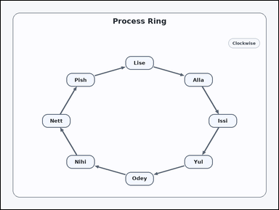 | 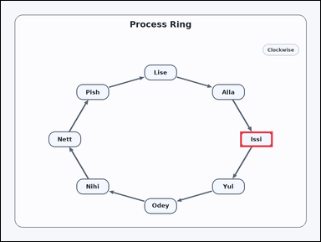 | task_diagrams_cycle_offset_stage_label | after_k_steps | Use the directed cycle diagram in the image: a clockwise cycle diagram with labeled stages connected by arrows. Follow the cycle order and answer: Moving clockwise around the cycle, what stage is 3 steps after Pish? Return the exact label shown. Give the full label exactly as shown. Return a valid JSON object with keys "evidence" and "answer" in that order. Evidence format: set "evidence" to an array containing exactly one bounding box [x1, y1, x2, y2] for the correct stage box. Answer requirement: set "answer" to the exact visible stage label. Example JSON: {"evidence":[[747,242,869,300]],"answer":"Mina"} | Use the directed cycle diagram in the image: a clockwise cycle diagram with labeled stages connected by arrows. Follow the cycle order and answer: Moving clockwise around the cycle, what stage is 3 steps after Pish? Return the exact label shown. Give the full label exactly as shown. Return a valid JSON object with key "answer". Answer format: set "answer" to the exact visible stage label. Example JSON: {"answer":"Mina"} | {"evidence": [[899.0, 489.0, 1021.0, 547.0]], "answer": "Issi"} | [[899.0, 489.0, 1021.0, 547.0]] | string | bbox_set | 3.1771300854E+15 | diagrams/task_diagrams_cycle_offset_stage_label/images/after_k_steps/0014.png | diagrams/task_diagrams_cycle_offset_stage_label/data/after_k_steps/0014.json
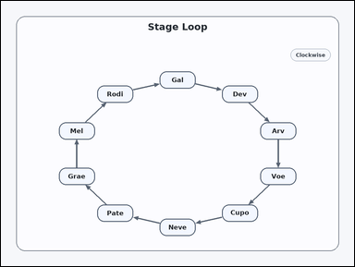 | 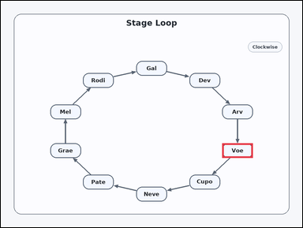 | task_diagrams_cycle_offset_stage_label | after_k_steps | Look at the cycle diagram in the image: a clockwise cycle diagram with labeled stages connected by arrows. Read the directed cycle diagram and answer: Moving clockwise around the cycle, what stage is 2 steps after Dev? Return the exact label shown. Return the exact visible label. Return a valid JSON object with keys "evidence" and "answer" in that order. Evidence format: set "evidence" to an array containing exactly one bounding box [x1, y1, x2, y2] for the correct stage box. Answer requirement: set "answer" to the exact visible stage label. Example JSON: {"evidence":[[747,242,869,300]],"answer":"Mina"} | Look at the cycle diagram in the image: a clockwise cycle diagram with labeled stages connected by arrows. Read the directed cycle diagram and answer: Moving clockwise around the cycle, what stage is 2 steps after Dev? Return the exact label shown. Return the exact visible label. Return a valid JSON object with key "answer". Answer field: set "answer" to the exact visible stage label. Example JSON: {"answer":"Mina"} | {"evidence": [[881.38, 566.254, 1003.38, 624.254]], "answer": "Voe"} | [[881.38, 566.254, 1003.38, 624.254]] | string | bbox_set | 3.3010403954E+15 | diagrams/task_diagrams_cycle_offset_stage_label/images/after_k_steps/0024.png | diagrams/task_diagrams_cycle_offset_stage_label/data/after_k_steps/0024.json
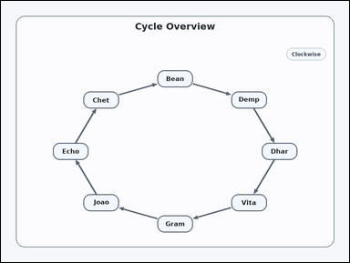 | 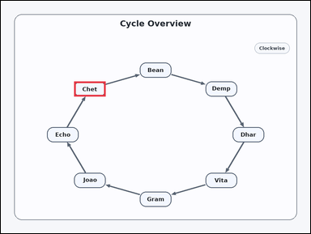 | task_diagrams_cycle_offset_stage_label | after_k_steps | The image shows a clockwise cycle diagram with labeled stages connected by arrows. Determine the requested stage from the cycle: Moving clockwise around the cycle, what stage is 4 steps after Vita? Return the exact label shown. Return the exact visible label. Return a valid JSON object with keys "evidence" and "answer" in that order. Evidence rule: set "evidence" to an array containing exactly one bounding box [x1, y1, x2, y2] for the correct stage box. Answer rule: set "answer" to the exact visible stage label. Example JSON: {"evidence":[[747,242,869,300]],"answer":"Mina"} | The image shows a clockwise cycle diagram with labeled stages connected by arrows. Determine the requested stage from the cycle: Moving clockwise around the cycle, what stage is 4 steps after Vita? Return the exact label shown. Return the exact visible label. Return a valid JSON object with key "answer". Answer requirement: set "answer" to the exact visible stage label. Example JSON: {"answer":"Mina"} | {"evidence": [[284.442, 312.223, 406.442, 370.223]], "answer": "Chet"} | [[284.442, 312.223, 406.442, 370.223]] | string | bbox_set | 3.8530347834E+15 | diagrams/task_diagrams_cycle_offset_stage_label/images/after_k_steps/0004.png | diagrams/task_diagrams_cycle_offset_stage_label/data/after_k_steps/0004.json
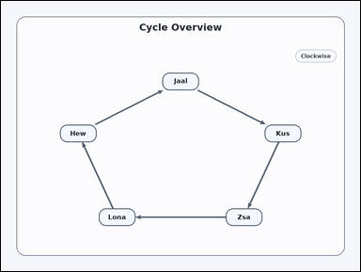 | 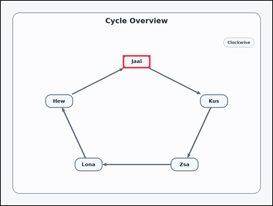 | task_diagrams_cycle_offset_stage_label | after_k_steps | Look at the cycle diagram in the image: a clockwise cycle diagram with labeled stages connected by arrows. Moving clockwise around the cycle, what stage is 1 step after Hew? Return the exact label shown. Answer using the exact visible label. Return a valid JSON object with keys "evidence" and "answer" in that order. Evidence: set "evidence" to an array containing exactly one bounding box [x1, y1, x2, y2] for the correct stage box. Answer: set "answer" to the exact visible stage label. Example JSON: {"evidence":[[747,242,869,300]],"answer":"Mina"} | Look at the cycle diagram in the image: a clockwise cycle diagram with labeled stages connected by arrows. Moving clockwise around the cycle, what stage is 1 step after Hew? Return the exact label shown. Answer using the exact visible label. Return a valid JSON object with key "answer". Answer requirement: set "answer" to the exact visible stage label. Example JSON: {"answer":"Mina"} | {"evidence": [[539.0, 239.0, 661.0, 297.0]], "answer": "Jaal"} | [[539.0, 239.0, 661.0, 297.0]] | string | bbox_set | 4.5243015247E+15 | diagrams/task_diagrams_cycle_offset_stage_label/images/after_k_steps/0011.png | diagrams/task_diagrams_cycle_offset_stage_label/data/after_k_steps/0011.json
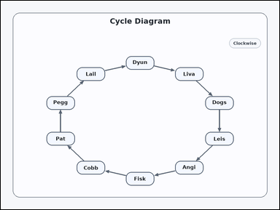 | 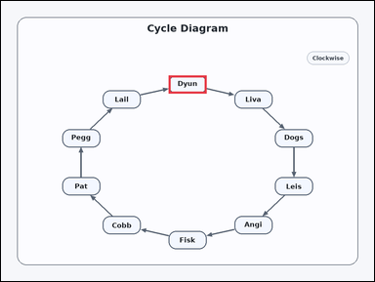 | task_diagrams_cycle_offset_stage_label | after_k_steps | Work from the labeled clockwise cycle: a clockwise cycle diagram with labeled stages connected by arrows. Determine the requested stage from the cycle: Moving clockwise around the cycle, what stage is 4 steps after Cobb? Return the exact label shown. Respond with the exact label from the diagram. Return a valid JSON object with keys "evidence" and "answer" in that order. Evidence format: set "evidence" to an array containing exactly one bounding box [x1, y1, x2, y2] for the correct stage box. Answer requirement: set "answer" to the exact visible stage label. Example JSON: {"evidence":[[747,242,869,300]],"answer":"Mina"} | Work from the labeled clockwise cycle: a clockwise cycle diagram with labeled stages connected by arrows. Determine the requested stage from the cycle: Moving clockwise around the cycle, what stage is 4 steps after Cobb? Return the exact label shown. Respond with the exact label from the diagram. Return a valid JSON object with key "answer". Answer: set "answer" to the exact visible stage label. Example JSON: {"answer":"Mina"} | {"evidence": [[539.0, 239.0, 661.0, 297.0]], "answer": "Dyun"} | [[539.0, 239.0, 661.0, 297.0]] | string | bbox_set | 4.6343754236E+15 | diagrams/task_diagrams_cycle_offset_stage_label/images/after_k_steps/0012.png | diagrams/task_diagrams_cycle_offset_stage_label/data/after_k_steps/0012.json
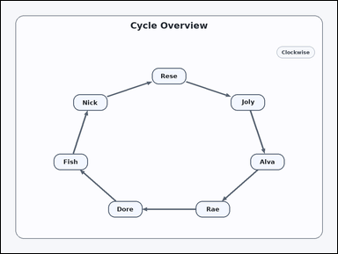 | 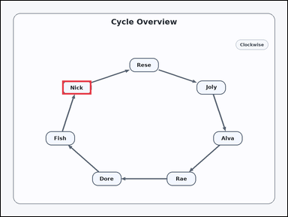 | task_diagrams_cycle_offset_stage_label | after_k_steps | The image shows a clockwise cycle diagram with labeled stages connected by arrows. Determine the requested stage from the cycle: Moving clockwise around the cycle, what stage is 6 steps after Rese? Return the exact label shown. Respond with the exact label from the diagram. Return a valid JSON object with keys "evidence" and "answer" in that order. Evidence format: set "evidence" to an array containing exactly one bounding box [x1, y1, x2, y2] for the correct stage box. Answer requirement: set "answer" to the exact visible stage label. Example JSON: {"evidence":[[747,242,869,300]],"answer":"Mina"} | The image shows a clockwise cycle diagram with labeled stages connected by arrows. Determine the requested stage from the cycle: Moving clockwise around the cycle, what stage is 6 steps after Rese? Return the exact label shown. Respond with the exact label from the diagram. Return a valid JSON object with key "answer". Answer: set "answer" to the exact visible stage label. Example JSON: {"answer":"Mina"} | {"evidence": [[257.541, 333.128, 379.541, 391.128]], "answer": "Nick"} | [[257.541, 333.128, 379.541, 391.128]] | string | bbox_set | 4.8112699392E+15 | diagrams/task_diagrams_cycle_offset_stage_label/images/after_k_steps/0018.png | diagrams/task_diagrams_cycle_offset_stage_label/data/after_k_steps/0018.json
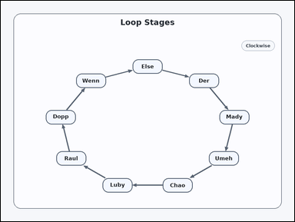 | 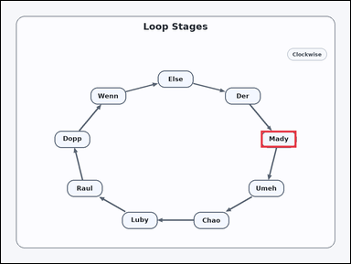 | task_diagrams_cycle_offset_stage_label | after_k_steps | You are given a clockwise cycle diagram with labeled stages connected by arrows. Follow the cycle order and answer: Moving clockwise around the cycle, what stage is 5 steps after Raul? Return the exact label shown. Respond with the exact label from the diagram. Return a valid JSON object with keys "evidence" and "answer" in that order. Evidence field: set "evidence" to an array containing exactly one bounding box [x1, y1, x2, y2] for the correct stage box. Answer field: set "answer" to the exact visible stage label. Example JSON: {"evidence":[[747,242,869,300]],"answer":"Mina"} | You are given a clockwise cycle diagram with labeled stages connected by arrows. Follow the cycle order and answer: Moving clockwise around the cycle, what stage is 5 steps after Raul? Return the exact label shown. Respond with the exact label from the diagram. Return a valid JSON object with key "answer". Answer format: set "answer" to the exact visible stage label. Example JSON: {"answer":"Mina"} | {"evidence": [[893.531, 445.588, 1015.531, 503.588]], "answer": "Mady"} | [[893.531, 445.588, 1015.531, 503.588]] | string | bbox_set | 4.8191845434E+15 | diagrams/task_diagrams_cycle_offset_stage_label/images/after_k_steps/0020.png | diagrams/task_diagrams_cycle_offset_stage_label/data/after_k_steps/0020.json
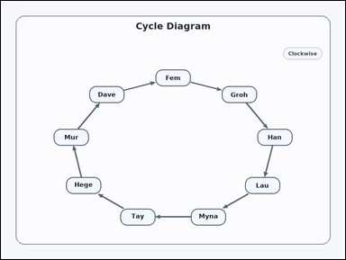 | 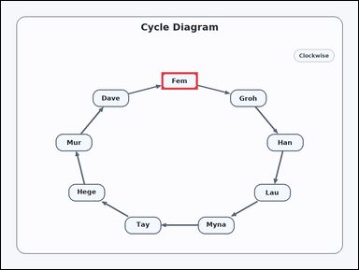 | task_diagrams_cycle_offset_stage_label | after_k_steps | Use the directed cycle diagram in the image: a clockwise cycle diagram with labeled stages connected by arrows. Moving clockwise around the cycle, what stage is 4 steps after Tay? Return the exact label shown. Give the full label exactly as shown. Return a valid JSON object with keys "evidence" and "answer" in that order. Evidence format: set "evidence" to an array containing exactly one bounding box [x1, y1, x2, y2] for the correct stage box. Answer requirement: set "answer" to the exact visible stage label. Example JSON: {"evidence":[[747,242,869,300]],"answer":"Mina"} | Use the directed cycle diagram in the image: a clockwise cycle diagram with labeled stages connected by arrows. Moving clockwise around the cycle, what stage is 4 steps after Tay? Return the exact label shown. Give the full label exactly as shown. Return a valid JSON object with key "answer". Answer rule: set "answer" to the exact visible stage label. Example JSON: {"answer":"Mina"} | {"evidence": [[539.0, 239.0, 661.0, 297.0]], "answer": "Fem"} | [[539.0, 239.0, 661.0, 297.0]] | string | bbox_set | 5.2494165074E+15 | diagrams/task_diagrams_cycle_offset_stage_label/images/after_k_steps/0005.png | diagrams/task_diagrams_cycle_offset_stage_label/data/after_k_steps/0005.json
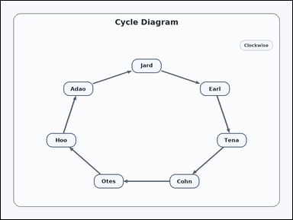 | 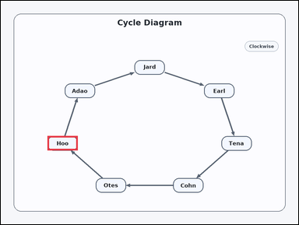 | task_diagrams_cycle_offset_stage_label | after_k_steps | Use the directed cycle diagram in the image: a clockwise cycle diagram with labeled stages connected by arrows. Read the directed cycle diagram and answer: Moving clockwise around the cycle, what stage is 4 steps after Earl? Return the exact label shown. Answer using the exact visible label. Return a valid JSON object with keys "evidence" and "answer" in that order. Evidence field: set "evidence" to an array containing exactly one bounding box [x1, y1, x2, y2] for the correct stage box. Answer field: set "answer" to the exact visible stage label. Example JSON: {"evidence":[[747,242,869,300]],"answer":"Mina"} | Use the directed cycle diagram in the image: a clockwise cycle diagram with labeled stages connected by arrows. Read the directed cycle diagram and answer: Moving clockwise around the cycle, what stage is 4 steps after Earl? Return the exact label shown. Answer using the exact visible label. Return a valid JSON object with key "answer". Answer format: set "answer" to the exact visible stage label. Example JSON: {"answer":"Mina"} | {"evidence": [[188.026, 544.63, 310.026, 602.63]], "answer": "Hoo"} | [[188.026, 544.63, 310.026, 602.63]] | string | bbox_set | 6.1307785079E+15 | diagrams/task_diagrams_cycle_offset_stage_label/images/after_k_steps/0008.png | diagrams/task_diagrams_cycle_offset_stage_label/data/after_k_steps/0008.json
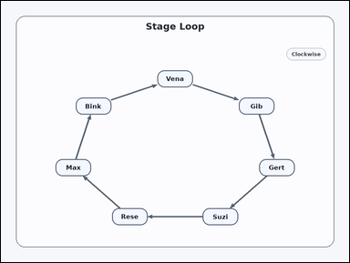 | 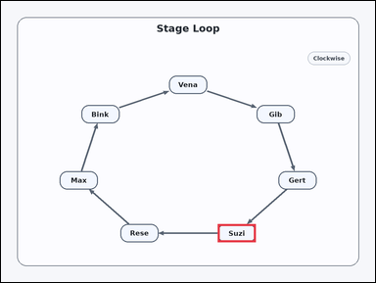 | task_diagrams_cycle_offset_stage_label | after_k_steps | Look at the cycle diagram in the image: a clockwise cycle diagram with labeled stages connected by arrows. Determine the requested stage from the cycle: Moving clockwise around the cycle, what stage is 2 steps after Gib? Return the exact label shown. Give the full label exactly as shown. Return a valid JSON object with keys "evidence" and "answer" in that order. Evidence: set "evidence" to an array containing exactly one bounding box [x1, y1, x2, y2] for the correct stage box. Answer: set "answer" to the exact visible stage label. Example JSON: {"evidence":[[747,242,869,300]],"answer":"Mina"} | Look at the cycle diagram in the image: a clockwise cycle diagram with labeled stages connected by arrows. Determine the requested stage from the cycle: Moving clockwise around the cycle, what stage is 2 steps after Gib? Return the exact label shown. Give the full label exactly as shown. Return a valid JSON object with key "answer". Answer field: set "answer" to the exact visible stage label. Example JSON: {"answer":"Mina"} | {"evidence": [[695.198, 714.242, 817.198, 772.242]], "answer": "Suzi"} | [[695.198, 714.242, 817.198, 772.242]] | string | bbox_set | 6.5572024518E+15 | diagrams/task_diagrams_cycle_offset_stage_label/images/after_k_steps/0023.png | diagrams/task_diagrams_cycle_offset_stage_label/data/after_k_steps/0023.json
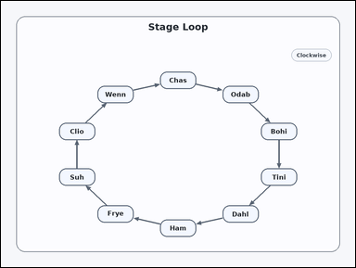 | 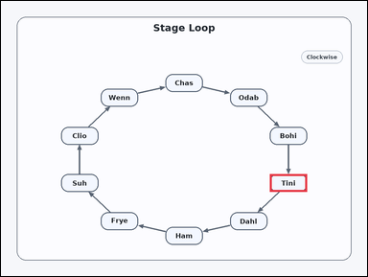 | task_diagrams_cycle_offset_stage_label | after_k_steps | The image shows a clockwise cycle diagram with labeled stages connected by arrows. Follow the cycle order and answer: Moving clockwise around the cycle, what stage is 3 steps after Chas? Return the exact label shown. Respond with the exact label from the diagram. Return a valid JSON object with keys "evidence" and "answer" in that order. Evidence requirement: set "evidence" to an array containing exactly one bounding box [x1, y1, x2, y2] for the correct stage box. Answer format: set "answer" to the exact visible stage label. Example JSON: {"evidence":[[747,242,869,300]],"answer":"Mina"} | The image shows a clockwise cycle diagram with labeled stages connected by arrows. Follow the cycle order and answer: Moving clockwise around the cycle, what stage is 3 steps after Chas? Return the exact label shown. Respond with the exact label from the diagram. Return a valid JSON object with key "answer". Answer requirement: set "answer" to the exact visible stage label. Example JSON: {"answer":"Mina"} | {"evidence": [[881.38, 566.254, 1003.38, 624.254]], "answer": "Tini"} | [[881.38, 566.254, 1003.38, 624.254]] | string | bbox_set | 6.6794869265E+15 | diagrams/task_diagrams_cycle_offset_stage_label/images/after_k_steps/0006.png | diagrams/task_diagrams_cycle_offset_stage_label/data/after_k_steps/0006.json
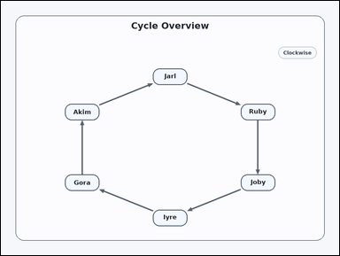 | 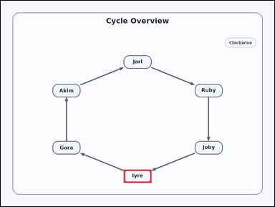 | task_diagrams_cycle_offset_stage_label | after_k_steps | You are given a clockwise cycle diagram with labeled stages connected by arrows. Use the cycle to answer: Moving clockwise around the cycle, what stage is 2 steps after Ruby? Return the exact label shown. Give the full label exactly as shown. Return a valid JSON object with keys "evidence" and "answer" in that order. Evidence format: set "evidence" to an array containing exactly one bounding box [x1, y1, x2, y2] for the correct stage box. Answer requirement: set "answer" to the exact visible stage label. Example JSON: {"evidence":[[747,242,869,300]],"answer":"Mina"} | You are given a clockwise cycle diagram with labeled stages connected by arrows. Use the cycle to answer: Moving clockwise around the cycle, what stage is 2 steps after Ruby? Return the exact label shown. Give the full label exactly as shown. Return a valid JSON object with key "answer". Answer: set "answer" to the exact visible stage label. Example JSON: {"answer":"Mina"} | {"evidence": [[539.0, 739.0, 661.0, 797.0]], "answer": "Iyre"} | [[539.0, 739.0, 661.0, 797.0]] | string | bbox_set | 6.7834268136E+15 | diagrams/task_diagrams_cycle_offset_stage_label/images/after_k_steps/0003.png | diagrams/task_diagrams_cycle_offset_stage_label/data/after_k_steps/0003.json
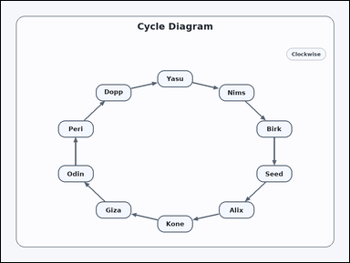 | 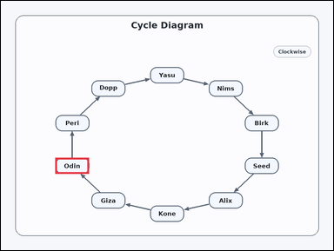 | task_diagrams_cycle_offset_stage_label | after_k_steps | Look at the cycle diagram in the image: a clockwise cycle diagram with labeled stages connected by arrows. Read the directed cycle diagram and answer: Moving clockwise around the cycle, what stage is 2 steps after Kone? Return the exact label shown. Return the exact visible label. Return a valid JSON object with keys "evidence" and "answer" in that order. Evidence rule: set "evidence" to an array containing exactly one bounding box [x1, y1, x2, y2] for the correct stage box. Answer rule: set "answer" to the exact visible stage label. Example JSON: {"evidence":[[747,242,869,300]],"answer":"Mina"} | Look at the cycle diagram in the image: a clockwise cycle diagram with labeled stages connected by arrows. Read the directed cycle diagram and answer: Moving clockwise around the cycle, what stage is 2 steps after Kone? Return the exact label shown. Return the exact visible label. Return a valid JSON object with key "answer". Answer rule: set "answer" to the exact visible stage label. Example JSON: {"answer":"Mina"} | {"evidence": [[196.62, 566.254, 318.62, 624.254]], "answer": "Odin"} | [[196.62, 566.254, 318.62, 624.254]] | string | bbox_set | 6.9736878508E+15 | diagrams/task_diagrams_cycle_offset_stage_label/images/after_k_steps/0010.png | diagrams/task_diagrams_cycle_offset_stage_label/data/after_k_steps/0010.json
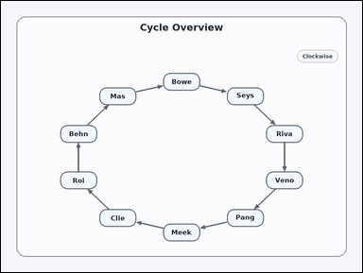 | 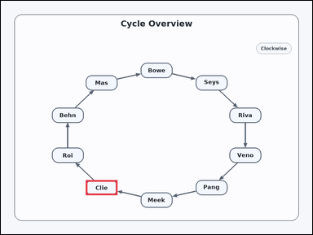 | task_diagrams_cycle_offset_stage_label | after_k_steps | The image shows a clockwise cycle diagram with labeled stages connected by arrows. Read the directed cycle diagram and answer: Moving clockwise around the cycle, what stage is 8 steps after Behn? Return the exact label shown. Answer with the exact label shown. Return a valid JSON object with keys "evidence" and "answer" in that order. Evidence format: set "evidence" to an array containing exactly one bounding box [x1, y1, x2, y2] for the correct stage box. Answer requirement: set "answer" to the exact visible stage label. Example JSON: {"evidence":[[747,242,869,300]],"answer":"Mina"} | The image shows a clockwise cycle diagram with labeled stages connected by arrows. Read the directed cycle diagram and answer: Moving clockwise around the cycle, what stage is 8 steps after Behn? Return the exact label shown. Answer with the exact label shown. Return a valid JSON object with key "answer". Answer: set "answer" to the exact visible stage label. Example JSON: {"answer":"Mina"} | {"evidence": [[327.397, 691.254, 449.397, 749.254]], "answer": "Clie"} | [[327.397, 691.254, 449.397, 749.254]] | string | bbox_set | 6.9823092583E+15 | diagrams/task_diagrams_cycle_offset_stage_label/images/after_k_steps/0017.png | diagrams/task_diagrams_cycle_offset_stage_label/data/after_k_steps/0017.json
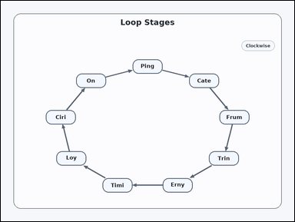 | 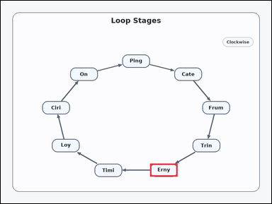 | task_diagrams_cycle_offset_stage_label | after_k_steps | You are given a clockwise cycle diagram with labeled stages connected by arrows. Determine the requested stage from the cycle: Moving clockwise around the cycle, what stage is 1 step after Trin? Return the exact label shown. Return the exact visible label. Return a valid JSON object with keys "evidence" and "answer" in that order. Evidence: set "evidence" to an array containing exactly one bounding box [x1, y1, x2, y2] for the correct stage box. Answer: set "answer" to the exact visible stage label. Example JSON: {"evidence":[[747,242,869,300]],"answer":"Mina"} | You are given a clockwise cycle diagram with labeled stages connected by arrows. Determine the requested stage from the cycle: Moving clockwise around the cycle, what stage is 1 step after Trin? Return the exact label shown. Return the exact visible label. Return a valid JSON object with key "answer". Answer field: set "answer" to the exact visible stage label. Example JSON: {"answer":"Mina"} | {"evidence": [[662.127, 723.923, 784.127, 781.923]], "answer": "Erny"} | [[662.127, 723.923, 784.127, 781.923]] | string | bbox_set | 7.4635699689E+15 | diagrams/task_diagrams_cycle_offset_stage_label/images/after_k_steps/0007.png | diagrams/task_diagrams_cycle_offset_stage_label/data/after_k_steps/0007.json
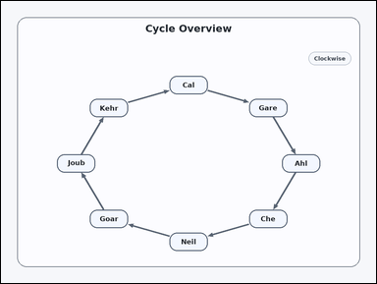 | 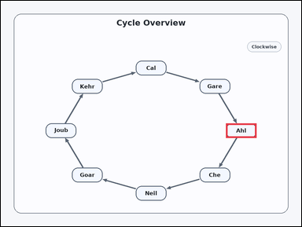 | task_diagrams_cycle_offset_stage_label | after_k_steps | Use the directed cycle diagram in the image: a clockwise cycle diagram with labeled stages connected by arrows. Determine the requested stage from the cycle: Moving clockwise around the cycle, what stage is 6 steps after Neil? Return the exact label shown. Return the exact visible label. Return a valid JSON object with keys "evidence" and "answer" in that order. Evidence field: set "evidence" to an array containing exactly one bounding box [x1, y1, x2, y2] for the correct stage box. Answer field: set "answer" to the exact visible stage label. Example JSON: {"evidence":[[747,242,869,300]],"answer":"Mina"} | Use the directed cycle diagram in the image: a clockwise cycle diagram with labeled stages connected by arrows. Determine the requested stage from the cycle: Moving clockwise around the cycle, what stage is 6 steps after Neil? Return the exact label shown. Return the exact visible label. Return a valid JSON object with key "answer". Answer format: set "answer" to the exact visible stage label. Example JSON: {"answer":"Mina"} | {"evidence": [[899.0, 489.0, 1021.0, 547.0]], "answer": "Ahl"} | [[899.0, 489.0, 1021.0, 547.0]] | string | bbox_set | 7.512642604E+15 | diagrams/task_diagrams_cycle_offset_stage_label/images/after_k_steps/0001.png | diagrams/task_diagrams_cycle_offset_stage_label/data/after_k_steps/0001.json
 | 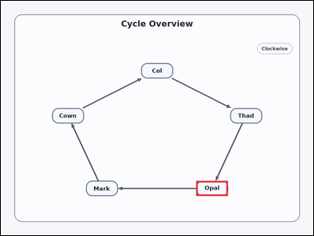 | task_diagrams_cycle_offset_stage_label | after_k_steps | Use the directed cycle diagram in the image: a clockwise cycle diagram with labeled stages connected by arrows. Follow the cycle order and answer: Moving clockwise around the cycle, what stage is 3 steps after Cown? Return the exact label shown. Answer using the exact visible label. Return a valid JSON object with keys "evidence" and "answer" in that order. Evidence requirement: set "evidence" to an array containing exactly one bounding box [x1, y1, x2, y2] for the correct stage box. Answer format: set "answer" to the exact visible stage label. Example JSON: {"evidence":[[747,242,869,300]],"answer":"Mina"} | Use the directed cycle diagram in the image: a clockwise cycle diagram with labeled stages connected by arrows. Follow the cycle order and answer: Moving clockwise around the cycle, what stage is 3 steps after Cown? Return the exact label shown. Answer using the exact visible label. Return a valid JSON object with key "answer". Answer field: set "answer" to the exact visible stage label. Example JSON: {"answer":"Mina"} | {"evidence": [[750.603, 691.254, 872.603, 749.254]], "answer": "Opal"} | [[750.603, 691.254, 872.603, 749.254]] | string | bbox_set | 7.5921845026E+15 | diagrams/task_diagrams_cycle_offset_stage_label/images/after_k_steps/0019.png | diagrams/task_diagrams_cycle_offset_stage_label/data/after_k_steps/0019.json
 | 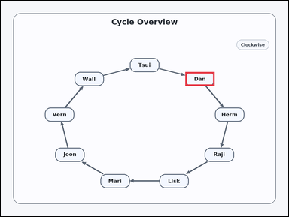 | task_diagrams_cycle_offset_stage_label | after_k_steps | You are given a clockwise cycle diagram with labeled stages connected by arrows. Read the directed cycle diagram and answer: Moving clockwise around the cycle, what stage is 8 steps after Herm? Return the exact label shown. Give the full label exactly as shown. Return a valid JSON object with keys "evidence" and "answer" in that order. Evidence requirement: set "evidence" to an array containing exactly one bounding box [x1, y1, x2, y2] for the correct stage box. Answer format: set "answer" to the exact visible stage label. Example JSON: {"evidence":[[747,242,869,300]],"answer":"Mina"} | You are given a clockwise cycle diagram with labeled stages connected by arrows. Read the directed cycle diagram and answer: Moving clockwise around the cycle, what stage is 8 steps after Herm? Return the exact label shown. Give the full label exactly as shown. Return a valid JSON object with key "answer". Answer format: set "answer" to the exact visible stage label. Example JSON: {"answer":"Mina"} | {"evidence": [[770.404, 297.489, 892.404, 355.489]], "answer": "Dan"} | [[770.404, 297.489, 892.404, 355.489]] | string | bbox_set | 8.0606161666E+15 | diagrams/task_diagrams_cycle_offset_stage_label/images/after_k_steps/0022.png | diagrams/task_diagrams_cycle_offset_stage_label/data/after_k_steps/0022.json
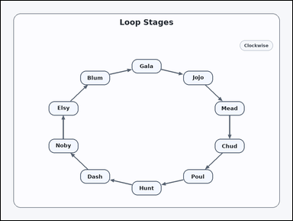 | 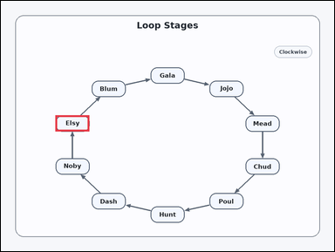 | task_diagrams_cycle_offset_stage_label | after_k_steps | Work from the labeled clockwise cycle: a clockwise cycle diagram with labeled stages connected by arrows. Moving clockwise around the cycle, what stage is 5 steps after Chud? Return the exact label shown. Respond with the exact label from the diagram. Return a valid JSON object with keys "evidence" and "answer" in that order. Evidence field: set "evidence" to an array containing exactly one bounding box [x1, y1, x2, y2] for the correct stage box. Answer field: set "answer" to the exact visible stage label. Example JSON: {"evidence":[[747,242,869,300]],"answer":"Mina"} | Work from the labeled clockwise cycle: a clockwise cycle diagram with labeled stages connected by arrows. Moving clockwise around the cycle, what stage is 5 steps after Chud? Return the exact label shown. Respond with the exact label from the diagram. Return a valid JSON object with key "answer". Answer: set "answer" to the exact visible stage label. Example JSON: {"answer":"Mina"} | {"evidence": [[196.62, 411.746, 318.62, 469.746]], "answer": "Elsy"} | [[196.62, 411.746, 318.62, 469.746]] | string | bbox_set | 8.263592746E+15 | diagrams/task_diagrams_cycle_offset_stage_label/images/after_k_steps/0013.png | diagrams/task_diagrams_cycle_offset_stage_label/data/after_k_steps/0013.json

before_k_steps
image | evidence_image | task | task_variant | prompt | prompt_answer_only | answer | answer_evidence | answer_type | evidence_type | instance_seed | image_path | data_path
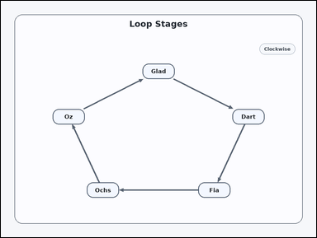 | 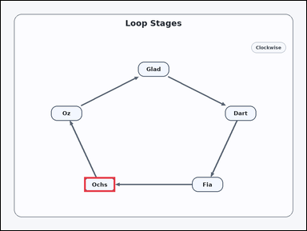 | task_diagrams_cycle_offset_stage_label | before_k_steps | Work from the labeled clockwise cycle: a clockwise cycle diagram with labeled stages connected by arrows. Read the directed cycle diagram and answer: Moving clockwise around the cycle, what stage is 1 step before Oz? Return the exact label shown. Give the full label exactly as shown. Return a valid JSON object with keys "evidence" and "answer" in that order. Evidence format: set "evidence" to an array containing exactly one bounding box [x1, y1, x2, y2] for the correct stage box. Answer requirement: set "answer" to the exact visible stage label. Example JSON: {"evidence":[[329,641,451,699]],"answer":"Davi"} | Work from the labeled clockwise cycle: a clockwise cycle diagram with labeled stages connected by arrows. Read the directed cycle diagram and answer: Moving clockwise around the cycle, what stage is 1 step before Oz? Return the exact label shown. Give the full label exactly as shown. Return a valid JSON object with key "answer". Answer rule: set "answer" to the exact visible stage label. Example JSON: {"answer":"Davi"} | {"evidence": [[327.397, 691.254, 449.397, 749.254]], "answer": "Ochs"} | [[327.397, 691.254, 449.397, 749.254]] | string | bbox_set | 91365224368843 | diagrams/task_diagrams_cycle_offset_stage_label/images/before_k_steps/0017.png | diagrams/task_diagrams_cycle_offset_stage_label/data/before_k_steps/0017.json
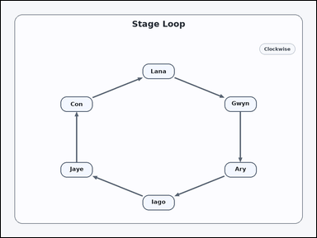 |  | task_diagrams_cycle_offset_stage_label | before_k_steps | The image shows a clockwise cycle diagram with labeled stages connected by arrows. Use the cycle to answer: Moving clockwise around the cycle, what stage is 3 steps before Gwyn? Return the exact label shown. Answer using the exact visible label. Return a valid JSON object with keys "evidence" and "answer" in that order. Evidence field: set "evidence" to an array containing exactly one bounding box [x1, y1, x2, y2] for the correct stage box. Answer field: set "answer" to the exact visible stage label. Example JSON: {"evidence":[[329,641,451,699]],"answer":"Davi"} | The image shows a clockwise cycle diagram with labeled stages connected by arrows. Use the cycle to answer: Moving clockwise around the cycle, what stage is 3 steps before Gwyn? Return the exact label shown. Answer using the exact visible label. Return a valid JSON object with key "answer". Answer: set "answer" to the exact visible stage label. Example JSON: {"answer":"Davi"} | {"evidence": [[227.231, 614.0, 349.231, 672.0]], "answer": "Jaye"} | [[227.231, 614.0, 349.231, 672.0]] | string | bbox_set | 407808798050278 | diagrams/task_diagrams_cycle_offset_stage_label/images/before_k_steps/0018.png | diagrams/task_diagrams_cycle_offset_stage_label/data/before_k_steps/0018.json
 |  | task_diagrams_cycle_offset_stage_label | before_k_steps | Look at the cycle diagram in the image: a clockwise cycle diagram with labeled stages connected by arrows. Follow the cycle order and answer: Moving clockwise around the cycle, what stage is 2 steps before Pike? Return the exact label shown. Answer with the exact label shown. Return a valid JSON object with keys "evidence" and "answer" in that order. Evidence requirement: set "evidence" to an array containing exactly one bounding box [x1, y1, x2, y2] for the correct stage box. Answer format: set "answer" to the exact visible stage label. Example JSON: {"evidence":[[329,641,451,699]],"answer":"Davi"} | Look at the cycle diagram in the image: a clockwise cycle diagram with labeled stages connected by arrows. Follow the cycle order and answer: Moving clockwise around the cycle, what stage is 2 steps before Pike? Return the exact label shown. Answer with the exact label shown. Return a valid JSON object with key "answer". Answer rule: set "answer" to the exact visible stage label. Example JSON: {"answer":"Davi"} | {"evidence": [[327.397, 691.254, 449.397, 749.254]], "answer": "Box"} | [[327.397, 691.254, 449.397, 749.254]] | string | bbox_set | 408225388313391 | diagrams/task_diagrams_cycle_offset_stage_label/images/before_k_steps/0023.png | diagrams/task_diagrams_cycle_offset_stage_label/data/before_k_steps/0023.json
 |  | task_diagrams_cycle_offset_stage_label | before_k_steps | You are given a clockwise cycle diagram with labeled stages connected by arrows. Read the directed cycle diagram and answer: Moving clockwise around the cycle, what stage is 2 steps before Dirk? Return the exact label shown. Answer using the exact visible label. Return a valid JSON object with keys "evidence" and "answer" in that order. Evidence format: set "evidence" to an array containing exactly one bounding box [x1, y1, x2, y2] for the correct stage box. Answer requirement: set "answer" to the exact visible stage label. Example JSON: {"evidence":[[329,641,451,699]],"answer":"Davi"} | You are given a clockwise cycle diagram with labeled stages connected by arrows. Read the directed cycle diagram and answer: Moving clockwise around the cycle, what stage is 2 steps before Dirk? Return the exact label shown. Answer using the exact visible label. Return a valid JSON object with key "answer". Answer field: set "answer" to the exact visible stage label. Example JSON: {"answer":"Davi"} | {"evidence": [[227.231, 364.0, 349.231, 422.0]], "answer": "Hime"} | [[227.231, 364.0, 349.231, 422.0]] | string | bbox_set | 506120219035646 | diagrams/task_diagrams_cycle_offset_stage_label/images/before_k_steps/0013.png | diagrams/task_diagrams_cycle_offset_stage_label/data/before_k_steps/0013.json
 |  | task_diagrams_cycle_offset_stage_label | before_k_steps | Look at the cycle diagram in the image: a clockwise cycle diagram with labeled stages connected by arrows. Read the directed cycle diagram and answer: Moving clockwise around the cycle, what stage is 1 step before Roda? Return the exact label shown. Give the full label exactly as shown. Return a valid JSON object with keys "evidence" and "answer" in that order. Evidence requirement: set "evidence" to an array containing exactly one bounding box [x1, y1, x2, y2] for the correct stage box. Answer format: set "answer" to the exact visible stage label. Example JSON: {"evidence":[[329,641,451,699]],"answer":"Davi"} | Look at the cycle diagram in the image: a clockwise cycle diagram with labeled stages connected by arrows. Read the directed cycle diagram and answer: Moving clockwise around the cycle, what stage is 1 step before Roda? Return the exact label shown. Give the full label exactly as shown. Return a valid JSON object with key "answer". Answer rule: set "answer" to the exact visible stage label. Example JSON: {"answer":"Davi"} | {"evidence": [[382.802, 714.242, 504.802, 772.242]], "answer": "Gil"} | [[382.802, 714.242, 504.802, 772.242]] | string | bbox_set | 1.047521225E+15 | diagrams/task_diagrams_cycle_offset_stage_label/images/before_k_steps/0010.png | diagrams/task_diagrams_cycle_offset_stage_label/data/before_k_steps/0010.json
 |  | task_diagrams_cycle_offset_stage_label | before_k_steps | Look at the cycle diagram in the image: a clockwise cycle diagram with labeled stages connected by arrows. Read the directed cycle diagram and answer: Moving clockwise around the cycle, what stage is 2 steps before Seed? Return the exact label shown. Return the exact visible label. Return a valid JSON object with keys "evidence" and "answer" in that order. Evidence rule: set "evidence" to an array containing exactly one bounding box [x1, y1, x2, y2] for the correct stage box. Answer rule: set "answer" to the exact visible stage label. Example JSON: {"evidence":[[329,641,451,699]],"answer":"Davi"} | Look at the cycle diagram in the image: a clockwise cycle diagram with labeled stages connected by arrows. Read the directed cycle diagram and answer: Moving clockwise around the cycle, what stage is 2 steps before Seed? Return the exact label shown. Return the exact visible label. Return a valid JSON object with key "answer". Answer rule: set "answer" to the exact visible stage label. Example JSON: {"answer":"Davi"} | {"evidence": [[539.0, 239.0, 661.0, 297.0]], "answer": "Etan"} | [[539.0, 239.0, 661.0, 297.0]] | string | bbox_set | 1.3116412196E+15 | diagrams/task_diagrams_cycle_offset_stage_label/images/before_k_steps/0006.png | diagrams/task_diagrams_cycle_offset_stage_label/data/before_k_steps/0006.json
 |  | task_diagrams_cycle_offset_stage_label | before_k_steps | The image shows a clockwise cycle diagram with labeled stages connected by arrows. Determine the requested stage from the cycle: Moving clockwise around the cycle, what stage is 1 step before Doak? Return the exact label shown. Give the full label exactly as shown. Return a valid JSON object with keys "evidence" and "answer" in that order. Evidence requirement: set "evidence" to an array containing exactly one bounding box [x1, y1, x2, y2] for the correct stage box. Answer format: set "answer" to the exact visible stage label. Example JSON: {"evidence":[[329,641,451,699]],"answer":"Davi"} | The image shows a clockwise cycle diagram with labeled stages connected by arrows. Determine the requested stage from the cycle: Moving clockwise around the cycle, what stage is 1 step before Doak? Return the exact label shown. Give the full label exactly as shown. Return a valid JSON object with key "answer". Answer format: set "answer" to the exact visible stage label. Example JSON: {"answer":"Davi"} | {"evidence": [[257.541, 333.128, 379.541, 391.128]], "answer": "Blim"} | [[257.541, 333.128, 379.541, 391.128]] | string | bbox_set | 1.6332639461E+15 | diagrams/task_diagrams_cycle_offset_stage_label/images/before_k_steps/0007.png | diagrams/task_diagrams_cycle_offset_stage_label/data/before_k_steps/0007.json
 |  | task_diagrams_cycle_offset_stage_label | before_k_steps | You are given a clockwise cycle diagram with labeled stages connected by arrows. Use the cycle to answer: Moving clockwise around the cycle, what stage is 4 steps before Issi? Return the exact label shown. Answer using the exact visible label. Return a valid JSON object with keys "evidence" and "answer" in that order. Evidence: set "evidence" to an array containing exactly one bounding box [x1, y1, x2, y2] for the correct stage box. Answer: set "answer" to the exact visible stage label. Example JSON: {"evidence":[[329,641,451,699]],"answer":"Davi"} | You are given a clockwise cycle diagram with labeled stages connected by arrows. Use the cycle to answer: Moving clockwise around the cycle, what stage is 4 steps before Issi? Return the exact label shown. Answer using the exact visible label. Return a valid JSON object with key "answer". Answer rule: set "answer" to the exact visible stage label. Example JSON: {"answer":"Davi"} | {"evidence": [[850.769, 614.0, 972.769, 672.0]], "answer": "Sher"} | [[850.769, 614.0, 972.769, 672.0]] | string | bbox_set | 2.0456549384E+15 | diagrams/task_diagrams_cycle_offset_stage_label/images/before_k_steps/0009.png | diagrams/task_diagrams_cycle_offset_stage_label/data/before_k_steps/0009.json
 |  | task_diagrams_cycle_offset_stage_label | before_k_steps | Work from the labeled clockwise cycle: a clockwise cycle diagram with labeled stages connected by arrows. Read the directed cycle diagram and answer: Moving clockwise around the cycle, what stage is 2 steps before Keen? Return the exact label shown. Return the exact visible label. Return a valid JSON object with keys "evidence" and "answer" in that order. Evidence: set "evidence" to an array containing exactly one bounding box [x1, y1, x2, y2] for the correct stage box. Answer: set "answer" to the exact visible stage label. Example JSON: {"evidence":[[329,641,451,699]],"answer":"Davi"} | Work from the labeled clockwise cycle: a clockwise cycle diagram with labeled stages connected by arrows. Read the directed cycle diagram and answer: Moving clockwise around the cycle, what stage is 2 steps before Keen? Return the exact label shown. Return the exact visible label. Return a valid JSON object with key "answer". Answer requirement: set "answer" to the exact visible stage label. Example JSON: {"answer":"Davi"} | {"evidence": [[284.442, 312.223, 406.442, 370.223]], "answer": "Kado"} | [[284.442, 312.223, 406.442, 370.223]] | string | bbox_set | 2.9899319027E+15 | diagrams/task_diagrams_cycle_offset_stage_label/images/before_k_steps/0003.png | diagrams/task_diagrams_cycle_offset_stage_label/data/before_k_steps/0003.json
 |  | task_diagrams_cycle_offset_stage_label | before_k_steps | The image shows a clockwise cycle diagram with labeled stages connected by arrows. Use the cycle to answer: Moving clockwise around the cycle, what stage is 3 steps before Roe? Return the exact label shown. Respond with the exact label from the diagram. Return a valid JSON object with keys "evidence" and "answer" in that order. Evidence: set "evidence" to an array containing exactly one bounding box [x1, y1, x2, y2] for the correct stage box. Answer: set "answer" to the exact visible stage label. Example JSON: {"evidence":[[329,641,451,699]],"answer":"Davi"} | The image shows a clockwise cycle diagram with labeled stages connected by arrows. Use the cycle to answer: Moving clockwise around the cycle, what stage is 3 steps before Roe? Return the exact label shown. Respond with the exact label from the diagram. Return a valid JSON object with key "answer". Answer rule: set "answer" to the exact visible stage label. Example JSON: {"answer":"Davi"} | {"evidence": [[850.769, 614.0, 972.769, 672.0]], "answer": "Lux"} | [[850.769, 614.0, 972.769, 672.0]] | string | bbox_set | 3.1270344257E+15 | diagrams/task_diagrams_cycle_offset_stage_label/images/before_k_steps/0016.png | diagrams/task_diagrams_cycle_offset_stage_label/data/before_k_steps/0016.json
 |  | task_diagrams_cycle_offset_stage_label | before_k_steps | Use the directed cycle diagram in the image: a clockwise cycle diagram with labeled stages connected by arrows. Follow the cycle order and answer: Moving clockwise around the cycle, what stage is 2 steps before God? Return the exact label shown. Respond with the exact label from the diagram. Return a valid JSON object with keys "evidence" and "answer" in that order. Evidence field: set "evidence" to an array containing exactly one bounding box [x1, y1, x2, y2] for the correct stage box. Answer field: set "answer" to the exact visible stage label. Example JSON: {"evidence":[[329,641,451,699]],"answer":"Davi"} | Use the directed cycle diagram in the image: a clockwise cycle diagram with labeled stages connected by arrows. Follow the cycle order and answer: Moving clockwise around the cycle, what stage is 2 steps before God? Return the exact label shown. Respond with the exact label from the diagram. Return a valid JSON object with key "answer". Answer format: set "answer" to the exact visible stage label. Example JSON: {"answer":"Davi"} | {"evidence": [[539.0, 739.0, 661.0, 797.0]], "answer": "Ryle"} | [[539.0, 739.0, 661.0, 797.0]] | string | bbox_set | 3.6006913049E+15 | diagrams/task_diagrams_cycle_offset_stage_label/images/before_k_steps/0019.png | diagrams/task_diagrams_cycle_offset_stage_label/data/before_k_steps/0019.json
 |  | task_diagrams_cycle_offset_stage_label | before_k_steps | Work from the labeled clockwise cycle: a clockwise cycle diagram with labeled stages connected by arrows. Follow the cycle order and answer: Moving clockwise around the cycle, what stage is 3 steps before Adon? Return the exact label shown. Respond with the exact label from the diagram. Return a valid JSON object with keys "evidence" and "answer" in that order. Evidence: set "evidence" to an array containing exactly one bounding box [x1, y1, x2, y2] for the correct stage box. Answer: set "answer" to the exact visible stage label. Example JSON: {"evidence":[[329,641,451,699]],"answer":"Davi"} | Work from the labeled clockwise cycle: a clockwise cycle diagram with labeled stages connected by arrows. Follow the cycle order and answer: Moving clockwise around the cycle, what stage is 3 steps before Adon? Return the exact label shown. Respond with the exact label from the diagram. Return a valid JSON object with key "answer". Answer field: set "answer" to the exact visible stage label. Example JSON: {"answer":"Davi"} | {"evidence": [[539.0, 239.0, 661.0, 297.0]], "answer": "Dumm"} | [[539.0, 239.0, 661.0, 297.0]] | string | bbox_set | 3.8956790115E+15 | diagrams/task_diagrams_cycle_offset_stage_label/images/before_k_steps/0004.png | diagrams/task_diagrams_cycle_offset_stage_label/data/before_k_steps/0004.json
 |  | task_diagrams_cycle_offset_stage_label | before_k_steps | The image shows a clockwise cycle diagram with labeled stages connected by arrows. Moving clockwise around the cycle, what stage is 6 steps before Jeaz? Return the exact label shown. Return the exact visible label. Return a valid JSON object with keys "evidence" and "answer" in that order. Evidence field: set "evidence" to an array containing exactly one bounding box [x1, y1, x2, y2] for the correct stage box. Answer field: set "answer" to the exact visible stage label. Example JSON: {"evidence":[[329,641,451,699]],"answer":"Davi"} | The image shows a clockwise cycle diagram with labeled stages connected by arrows. Moving clockwise around the cycle, what stage is 6 steps before Jeaz? Return the exact label shown. Return the exact visible label. Return a valid JSON object with key "answer". Answer: set "answer" to the exact visible stage label. Example JSON: {"answer":"Davi"} | {"evidence": [[257.541, 333.128, 379.541, 391.128]], "answer": "Im"} | [[257.541, 333.128, 379.541, 391.128]] | string | bbox_set | 3.9884571197E+15 | diagrams/task_diagrams_cycle_offset_stage_label/images/before_k_steps/0011.png | diagrams/task_diagrams_cycle_offset_stage_label/data/before_k_steps/0011.json
 |  | task_diagrams_cycle_offset_stage_label | before_k_steps | The image shows a clockwise cycle diagram with labeled stages connected by arrows. Determine the requested stage from the cycle: Moving clockwise around the cycle, what stage is 2 steps before Pyle? Return the exact label shown. Return the exact visible label. Return a valid JSON object with keys "evidence" and "answer" in that order. Evidence field: set "evidence" to an array containing exactly one bounding box [x1, y1, x2, y2] for the correct stage box. Answer field: set "answer" to the exact visible stage label. Example JSON: {"evidence":[[329,641,451,699]],"answer":"Davi"} | The image shows a clockwise cycle diagram with labeled stages connected by arrows. Determine the requested stage from the cycle: Moving clockwise around the cycle, what stage is 2 steps before Pyle? Return the exact label shown. Return the exact visible label. Return a valid JSON object with key "answer". Answer: set "answer" to the exact visible stage label. Example JSON: {"answer":"Davi"} | {"evidence": [[539.0, 239.0, 661.0, 297.0]], "answer": "Kyl"} | [[539.0, 239.0, 661.0, 297.0]] | string | bbox_set | 4.2344544128E+15 | diagrams/task_diagrams_cycle_offset_stage_label/images/before_k_steps/0005.png | diagrams/task_diagrams_cycle_offset_stage_label/data/before_k_steps/0005.json
 |  | task_diagrams_cycle_offset_stage_label | before_k_steps | The image shows a clockwise cycle diagram with labeled stages connected by arrows. Read the directed cycle diagram and answer: Moving clockwise around the cycle, what stage is 2 steps before Eran? Return the exact label shown. Answer using the exact visible label. Return a valid JSON object with keys "evidence" and "answer" in that order. Evidence: set "evidence" to an array containing exactly one bounding box [x1, y1, x2, y2] for the correct stage box. Answer: set "answer" to the exact visible stage label. Example JSON: {"evidence":[[329,641,451,699]],"answer":"Davi"} | The image shows a clockwise cycle diagram with labeled stages connected by arrows. Read the directed cycle diagram and answer: Moving clockwise around the cycle, what stage is 2 steps before Eran? Return the exact label shown. Answer using the exact visible label. Return a valid JSON object with key "answer". Answer field: set "answer" to the exact visible stage label. Example JSON: {"answer":"Davi"} | {"evidence": [[539.0, 239.0, 661.0, 297.0]], "answer": "Darb"} | [[539.0, 239.0, 661.0, 297.0]] | string | bbox_set | 4.9032657449E+15 | diagrams/task_diagrams_cycle_offset_stage_label/images/before_k_steps/0001.png | diagrams/task_diagrams_cycle_offset_stage_label/data/before_k_steps/0001.json
 |  | task_diagrams_cycle_offset_stage_label | before_k_steps | Use the directed cycle diagram in the image: a clockwise cycle diagram with labeled stages connected by arrows. Use the cycle to answer: Moving clockwise around the cycle, what stage is 5 steps before Wash? Return the exact label shown. Answer using the exact visible label. Return a valid JSON object with keys "evidence" and "answer" in that order. Evidence format: set "evidence" to an array containing exactly one bounding box [x1, y1, x2, y2] for the correct stage box. Answer requirement: set "answer" to the exact visible stage label. Example JSON: {"evidence":[[329,641,451,699]],"answer":"Davi"} | Use the directed cycle diagram in the image: a clockwise cycle diagram with labeled stages connected by arrows. Use the cycle to answer: Moving clockwise around the cycle, what stage is 5 steps before Wash? Return the exact label shown. Answer using the exact visible label. Return a valid JSON object with key "answer". Answer: set "answer" to the exact visible stage label. Example JSON: {"answer":"Davi"} | {"evidence": [[889.974, 544.63, 1011.974, 602.63]], "answer": "Tedd"} | [[889.974, 544.63, 1011.974, 602.63]] | string | bbox_set | 5.3465912111E+15 | diagrams/task_diagrams_cycle_offset_stage_label/images/before_k_steps/0000.png | diagrams/task_diagrams_cycle_offset_stage_label/data/before_k_steps/0000.json
 |  | task_diagrams_cycle_offset_stage_label | before_k_steps | Look at the cycle diagram in the image: a clockwise cycle diagram with labeled stages connected by arrows. Use the cycle to answer: Moving clockwise around the cycle, what stage is 4 steps before Call? Return the exact label shown. Answer with the exact label shown. Return a valid JSON object with keys "evidence" and "answer" in that order. Evidence rule: set "evidence" to an array containing exactly one bounding box [x1, y1, x2, y2] for the correct stage box. Answer rule: set "answer" to the exact visible stage label. Example JSON: {"evidence":[[329,641,451,699]],"answer":"Davi"} | Look at the cycle diagram in the image: a clockwise cycle diagram with labeled stages connected by arrows. Use the cycle to answer: Moving clockwise around the cycle, what stage is 4 steps before Call? Return the exact label shown. Answer with the exact label shown. Return a valid JSON object with key "answer". Answer field: set "answer" to the exact visible stage label. Example JSON: {"answer":"Davi"} | {"evidence": [[793.558, 665.777, 915.558, 723.777]], "answer": "Nath"} | [[793.558, 665.777, 915.558, 723.777]] | string | bbox_set | 5.6426197397E+15 | diagrams/task_diagrams_cycle_offset_stage_label/images/before_k_steps/0015.png | diagrams/task_diagrams_cycle_offset_stage_label/data/before_k_steps/0015.json
 |  | task_diagrams_cycle_offset_stage_label | before_k_steps | The image shows a clockwise cycle diagram with labeled stages connected by arrows. Determine the requested stage from the cycle: Moving clockwise around the cycle, what stage is 4 steps before Kilk? Return the exact label shown. Respond with the exact label from the diagram. Return a valid JSON object with keys "evidence" and "answer" in that order. Evidence field: set "evidence" to an array containing exactly one bounding box [x1, y1, x2, y2] for the correct stage box. Answer field: set "answer" to the exact visible stage label. Example JSON: {"evidence":[[329,641,451,699]],"answer":"Davi"} | The image shows a clockwise cycle diagram with labeled stages connected by arrows. Determine the requested stage from the cycle: Moving clockwise around the cycle, what stage is 4 steps before Kilk? Return the exact label shown. Respond with the exact label from the diagram. Return a valid JSON object with key "answer". Answer field: set "answer" to the exact visible stage label. Example JSON: {"answer":"Davi"} | {"evidence": [[793.558, 312.223, 915.558, 370.223]], "answer": "Roz"} | [[793.558, 312.223, 915.558, 370.223]] | string | bbox_set | 5.859675207E+15 | diagrams/task_diagrams_cycle_offset_stage_label/images/before_k_steps/0020.png | diagrams/task_diagrams_cycle_offset_stage_label/data/before_k_steps/0020.json
 |  | task_diagrams_cycle_offset_stage_label | before_k_steps | Use the directed cycle diagram in the image: a clockwise cycle diagram with labeled stages connected by arrows. Use the cycle to answer: Moving clockwise around the cycle, what stage is 3 steps before Ilse? Return the exact label shown. Answer with the exact label shown. Return a valid JSON object with keys "evidence" and "answer" in that order. Evidence format: set "evidence" to an array containing exactly one bounding box [x1, y1, x2, y2] for the correct stage box. Answer requirement: set "answer" to the exact visible stage label. Example JSON: {"evidence":[[329,641,451,699]],"answer":"Davi"} | Use the directed cycle diagram in the image: a clockwise cycle diagram with labeled stages connected by arrows. Use the cycle to answer: Moving clockwise around the cycle, what stage is 3 steps before Ilse? Return the exact label shown. Answer with the exact label shown. Return a valid JSON object with key "answer". Answer rule: set "answer" to the exact visible stage label. Example JSON: {"answer":"Davi"} | {"evidence": [[539.0, 239.0, 661.0, 297.0]], "answer": "Eula"} | [[539.0, 239.0, 661.0, 297.0]] | string | bbox_set | 5.9811459012E+15 | diagrams/task_diagrams_cycle_offset_stage_label/images/before_k_steps/0002.png | diagrams/task_diagrams_cycle_offset_stage_label/data/before_k_steps/0002.json
 |  | task_diagrams_cycle_offset_stage_label | before_k_steps | You are given a clockwise cycle diagram with labeled stages connected by arrows. Read the directed cycle diagram and answer: Moving clockwise around the cycle, what stage is 3 steps before Arte? Return the exact label shown. Give the full label exactly as shown. Return a valid JSON object with keys "evidence" and "answer" in that order. Evidence format: set "evidence" to an array containing exactly one bounding box [x1, y1, x2, y2] for the correct stage box. Answer requirement: set "answer" to the exact visible stage label. Example JSON: {"evidence":[[329,641,451,699]],"answer":"Davi"} | You are given a clockwise cycle diagram with labeled stages connected by arrows. Read the directed cycle diagram and answer: Moving clockwise around the cycle, what stage is 3 steps before Arte? Return the exact label shown. Give the full label exactly as shown. Return a valid JSON object with key "answer". Answer format: set "answer" to the exact visible stage label. Example JSON: {"answer":"Davi"} | {"evidence": [[227.231, 614.0, 349.231, 672.0]], "answer": "Kala"} | [[227.231, 614.0, 349.231, 672.0]] | string | bbox_set | 8.0368399657E+15 | diagrams/task_diagrams_cycle_offset_stage_label/images/before_k_steps/0008.png | diagrams/task_diagrams_cycle_offset_stage_label/data/before_k_steps/0008.json
 |  | task_diagrams_cycle_offset_stage_label | before_k_steps | Look at the cycle diagram in the image: a clockwise cycle diagram with labeled stages connected by arrows. Determine the requested stage from the cycle: Moving clockwise around the cycle, what stage is 4 steps before Con? Return the exact label shown. Return the exact visible label. Return a valid JSON object with keys "evidence" and "answer" in that order. Evidence field: set "evidence" to an array containing exactly one bounding box [x1, y1, x2, y2] for the correct stage box. Answer field: set "answer" to the exact visible stage label. Example JSON: {"evidence":[[329,641,451,699]],"answer":"Davi"} | Look at the cycle diagram in the image: a clockwise cycle diagram with labeled stages connected by arrows. Determine the requested stage from the cycle: Moving clockwise around the cycle, what stage is 4 steps before Con? Return the exact label shown. Return the exact visible label. Return a valid JSON object with key "answer". Answer: set "answer" to the exact visible stage label. Example JSON: {"answer":"Davi"} | {"evidence": [[850.769, 614.0, 972.769, 672.0]], "answer": "Nela"} | [[850.769, 614.0, 972.769, 672.0]] | string | bbox_set | 8.1788296603E+15 | diagrams/task_diagrams_cycle_offset_stage_label/images/before_k_steps/0021.png | diagrams/task_diagrams_cycle_offset_stage_label/data/before_k_steps/0021.json
 |  | task_diagrams_cycle_offset_stage_label | before_k_steps | Use the directed cycle diagram in the image: a clockwise cycle diagram with labeled stages connected by arrows. Follow the cycle order and answer: Moving clockwise around the cycle, what stage is 3 steps before Ynes? Return the exact label shown. Respond with the exact label from the diagram. Return a valid JSON object with keys "evidence" and "answer" in that order. Evidence: set "evidence" to an array containing exactly one bounding box [x1, y1, x2, y2] for the correct stage box. Answer: set "answer" to the exact visible stage label. Example JSON: {"evidence":[[329,641,451,699]],"answer":"Davi"} | Use the directed cycle diagram in the image: a clockwise cycle diagram with labeled stages connected by arrows. Follow the cycle order and answer: Moving clockwise around the cycle, what stage is 3 steps before Ynes? Return the exact label shown. Respond with the exact label from the diagram. Return a valid JSON object with key "answer". Answer: set "answer" to the exact visible stage label. Example JSON: {"answer":"Davi"} | {"evidence": [[284.442, 665.777, 406.442, 723.777]], "answer": "Gant"} | [[284.442, 665.777, 406.442, 723.777]] | string | bbox_set | 8.5144308204E+15 | diagrams/task_diagrams_cycle_offset_stage_label/images/before_k_steps/0012.png | diagrams/task_diagrams_cycle_offset_stage_label/data/before_k_steps/0012.json
 |  | task_diagrams_cycle_offset_stage_label | before_k_steps | Use the directed cycle diagram in the image: a clockwise cycle diagram with labeled stages connected by arrows. Use the cycle to answer: Moving clockwise around the cycle, what stage is 7 steps before Moya? Return the exact label shown. Return the exact visible label. Return a valid JSON object with keys "evidence" and "answer" in that order. Evidence format: set "evidence" to an array containing exactly one bounding box [x1, y1, x2, y2] for the correct stage box. Answer requirement: set "answer" to the exact visible stage label. Example JSON: {"evidence":[[329,641,451,699]],"answer":"Davi"} | Use the directed cycle diagram in the image: a clockwise cycle diagram with labeled stages connected by arrows. Use the cycle to answer: Moving clockwise around the cycle, what stage is 7 steps before Moya? Return the exact label shown. Return the exact visible label. Return a valid JSON object with key "answer". Answer field: set "answer" to the exact visible stage label. Example JSON: {"answer":"Davi"} | {"evidence": [[850.769, 614.0, 972.769, 672.0]], "answer": "Gui"} | [[850.769, 614.0, 972.769, 672.0]] | string | bbox_set | 8.5250384484E+15 | diagrams/task_diagrams_cycle_offset_stage_label/images/before_k_steps/0014.png | diagrams/task_diagrams_cycle_offset_stage_label/data/before_k_steps/0014.json
 |  | task_diagrams_cycle_offset_stage_label | before_k_steps | You are given a clockwise cycle diagram with labeled stages connected by arrows. Read the directed cycle diagram and answer: Moving clockwise around the cycle, what stage is 4 steps before Tima? Return the exact label shown. Answer using the exact visible label. Return a valid JSON object with keys "evidence" and "answer" in that order. Evidence format: set "evidence" to an array containing exactly one bounding box [x1, y1, x2, y2] for the correct stage box. Answer requirement: set "answer" to the exact visible stage label. Example JSON: {"evidence":[[329,641,451,699]],"answer":"Davi"} | You are given a clockwise cycle diagram with labeled stages connected by arrows. Read the directed cycle diagram and answer: Moving clockwise around the cycle, what stage is 4 steps before Tima? Return the exact label shown. Answer using the exact visible label. Return a valid JSON object with key "answer". Answer format: set "answer" to the exact visible stage label. Example JSON: {"answer":"Davi"} | {"evidence": [[750.603, 691.254, 872.603, 749.254]], "answer": "Adda"} | [[750.603, 691.254, 872.603, 749.254]] | string | bbox_set | 8.8535729789E+15 | diagrams/task_diagrams_cycle_offset_stage_label/images/before_k_steps/0024.png | diagrams/task_diagrams_cycle_offset_stage_label/data/before_k_steps/0024.json
 |  | task_diagrams_cycle_offset_stage_label | before_k_steps | You are given a clockwise cycle diagram with labeled stages connected by arrows. Determine the requested stage from the cycle: Moving clockwise around the cycle, what stage is 7 steps before Kono? Return the exact label shown. Give the full label exactly as shown. Return a valid JSON object with keys "evidence" and "answer" in that order. Evidence field: set "evidence" to an array containing exactly one bounding box [x1, y1, x2, y2] for the correct stage box. Answer field: set "answer" to the exact visible stage label. Example JSON: {"evidence":[[329,641,451,699]],"answer":"Davi"} | You are given a clockwise cycle diagram with labeled stages connected by arrows. Determine the requested stage from the cycle: Moving clockwise around the cycle, what stage is 7 steps before Kono? Return the exact label shown. Give the full label exactly as shown. Return a valid JSON object with key "answer". Answer format: set "answer" to the exact visible stage label. Example JSON: {"answer":"Davi"} | {"evidence": [[327.397, 286.746, 449.397, 344.746]], "answer": "Ori"} | [[327.397, 286.746, 449.397, 344.746]] | string | bbox_set | 8.9749424515E+15 | diagrams/task_diagrams_cycle_offset_stage_label/images/before_k_steps/0022.png | diagrams/task_diagrams_cycle_offset_stage_label/data/before_k_steps/0022.json

