3_6
Data Tables: Tenure, Family Resources Survey, financial year 2023 to 2024, United Kingdom
This worksheet contains 1 table and 1 chart presented horizontally with one blank column in between.
Relevant notes can be found on the Notes worksheet. See [Note 2] [Note 13] and [Note 14].
Back to Contents | See Notes
Source: Family Resources Survey
Table 3.6: Households by tenure, financial year ending 2014 to financial year ending 2024, United Kingdom |  |  |  |  |  |  | Chart 3.6: Households by tenure, financial year ending 2014 to financial year ending 2024, United Kingdom
 |  |  |  |  |  | Percentage of households
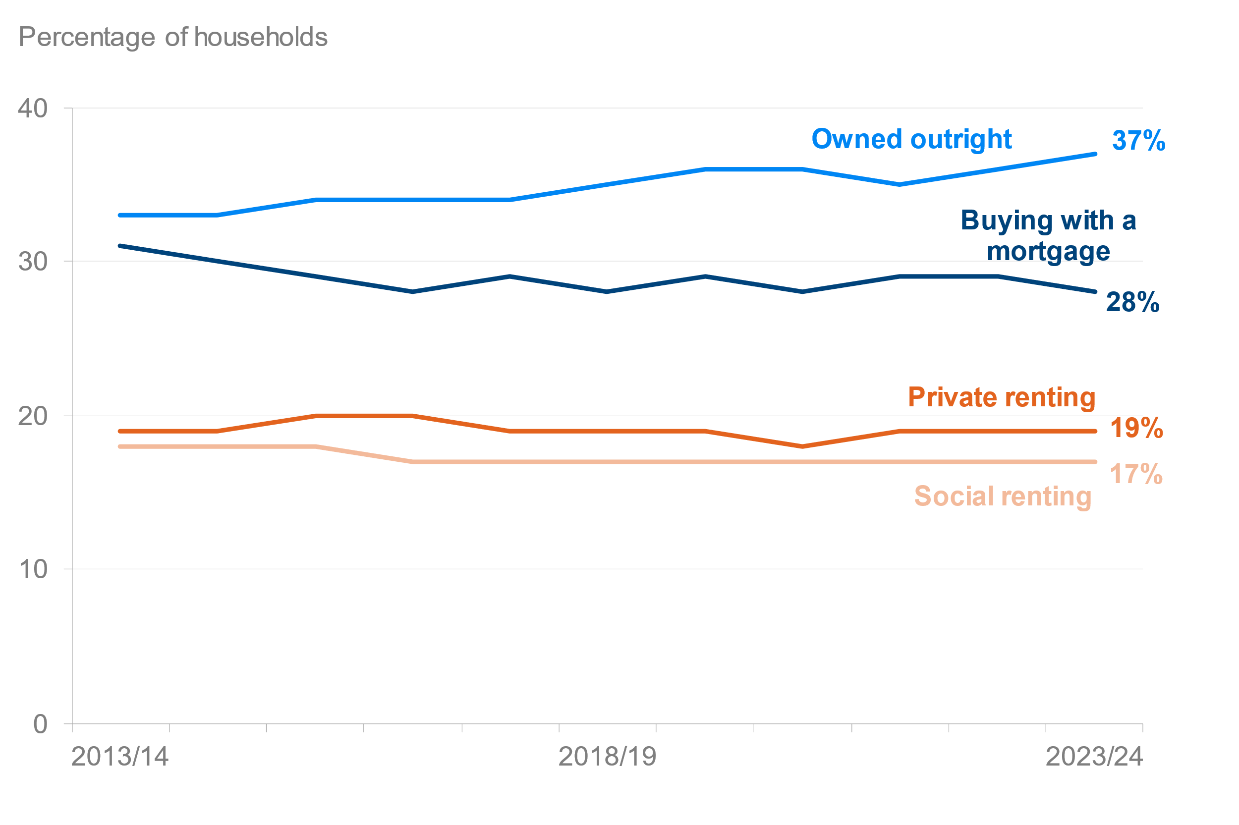
 |  |  | Tenure
Year | All | Owned outright | Buying with a mortgage [Note 14] | Social renting sector | Private renting sector [Note 2] | Sample size
2013/14 | 100 | 33 | 31 | 18 | 19 | 20,142
2014/15 | 100 | 33 | 30 | 18 | 19 | 19,538
2015/16 | 100 | 34 | 29 | 18 | 20 | 19,324
2016/17 | 100 | 34 | 28 | 17 | 20 | 19,380
2017/18 | 100 | 34 | 29 | 17 | 19 | 19,110
2018/19 | 100 | 35 | 28 | 17 | 19 | 19,175
2019/20 | 100 | 36 | 29 | 17 | 19 | 19,213
2020/21 [Note 13] | 100 | 36 | 28 | 17 | 18 | 10,007
2021/22 | 100 | 35 | 29 | 17 | 19 | 16,365
2022/23 | 100 | 36 | 29 | 17 | 19 | 25,050
2023/24 | 100 | 37 | 28 | 17 | 19 | 16,754

3_7
Data Tables: Tenure, Family Resources Survey, financial year 2023 to 2024, United Kingdom
This worksheet contains 1 table and 1 chart presented horizontally with one blank column in between.
Relevant notes can be found on the Notes worksheet. See [Note 2] and [Note 14].
Back to Contents | See Notes
Source: Family Resources Survey
Table 3.7: Households by tenure type and age of head of household, 2013 to 2014 and 2023 to 2024, United Kingdom |  |  |  |  |  |  | Chart 3.7: Households by tenure type and age of head of household, 2013 to 2014 and 2023 to 2024, United Kingdom
 |  |  |  |  |  | Percentage of households
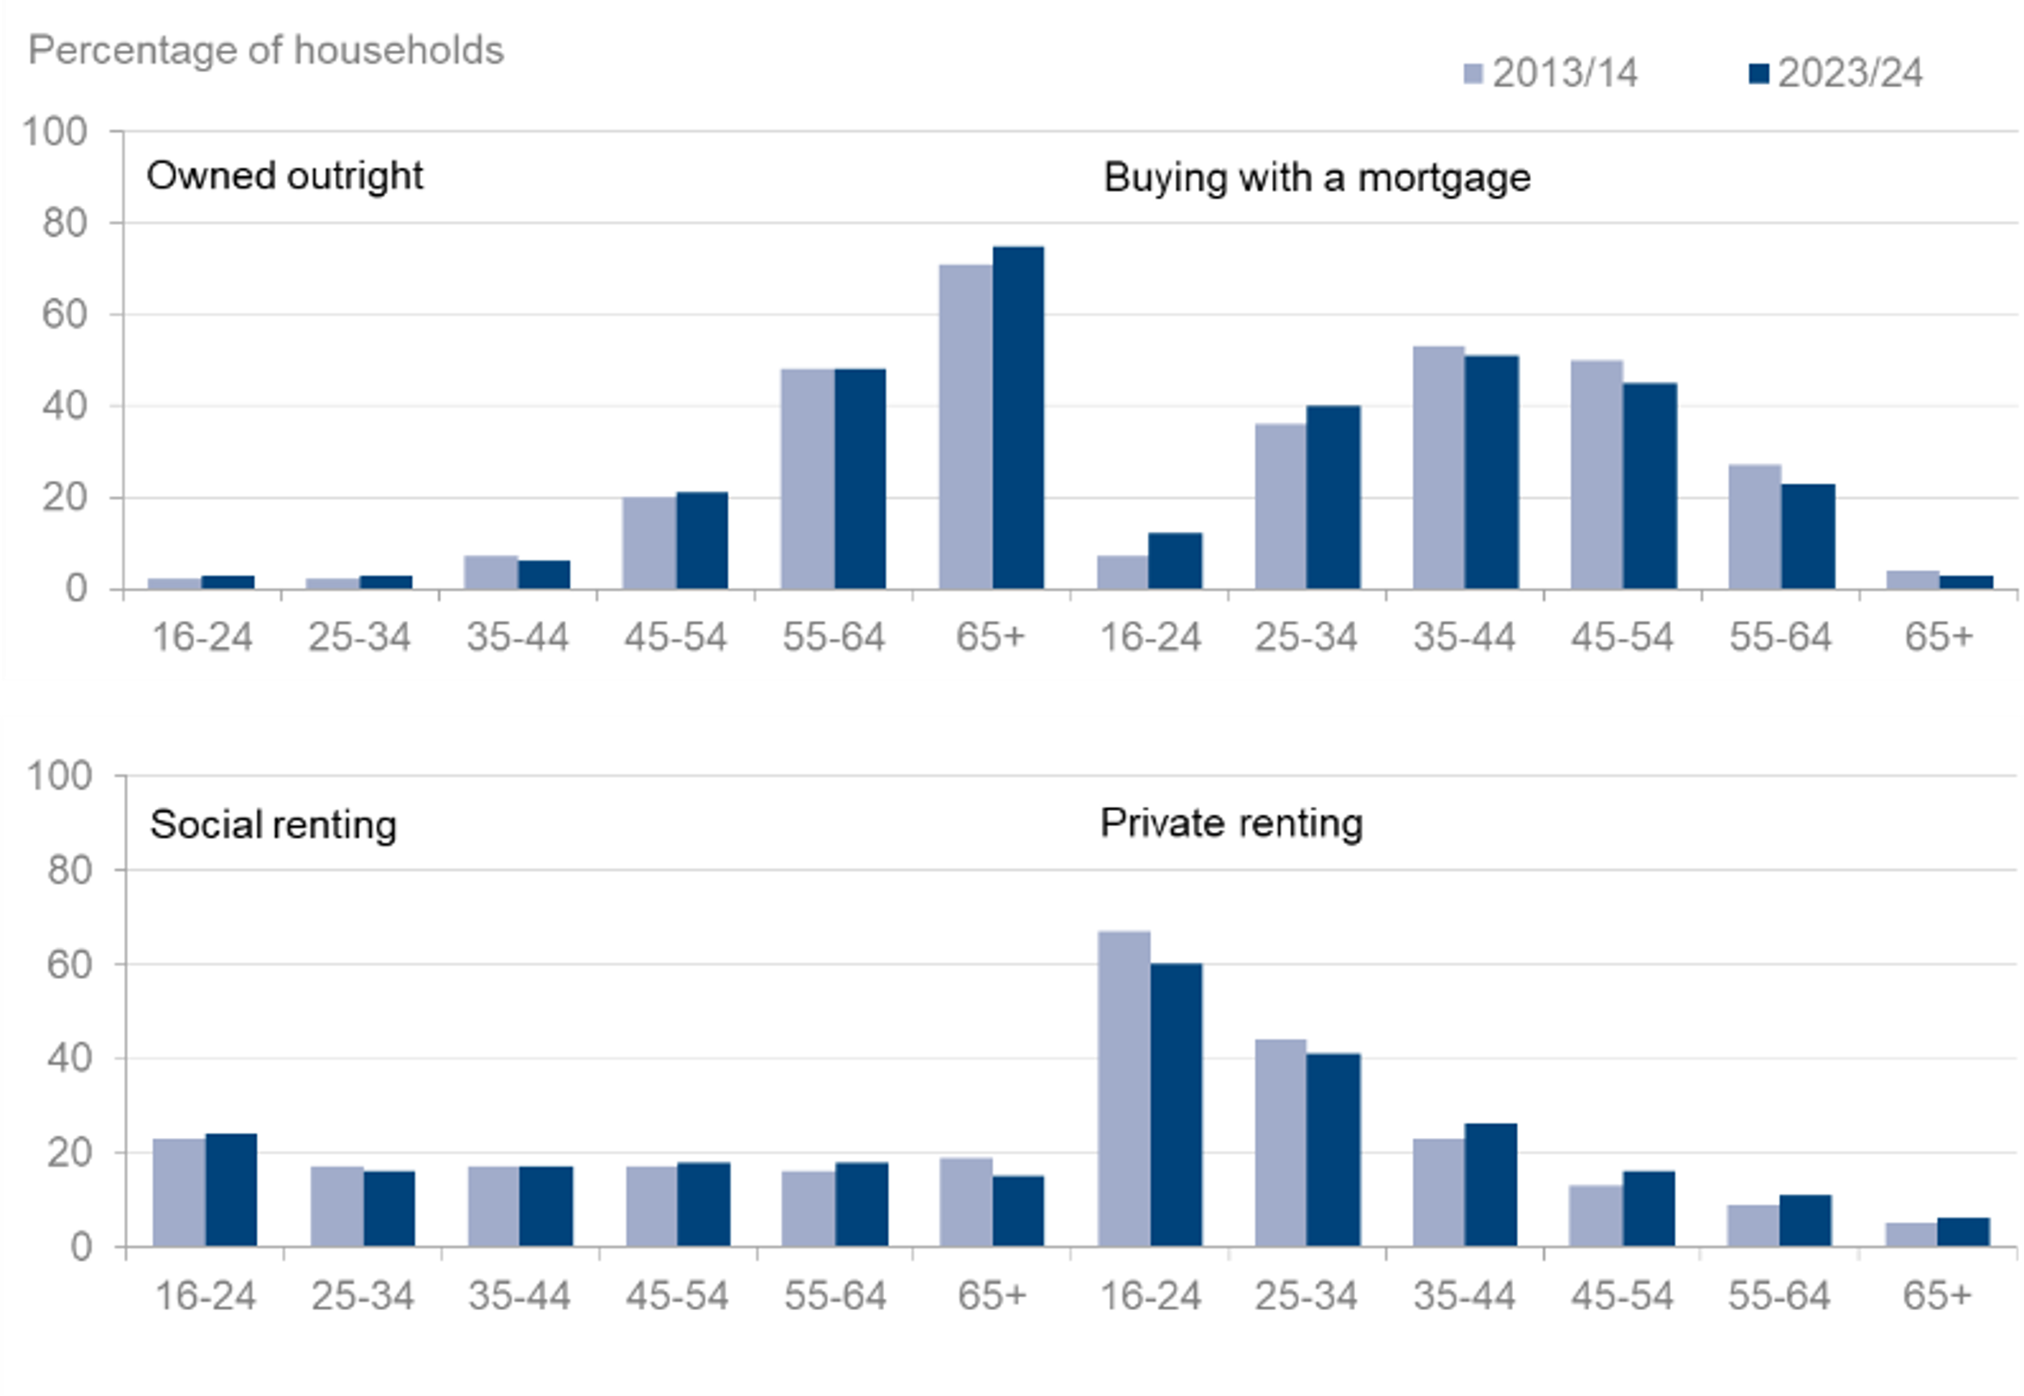
 |  |  | Tenure
Age | All | Owned outright | Buying with a mortgage [Note 14] | Social renting sector | Private renting sector [Note 2] | Sample size
2013/14
All | 100 | 33 | 31 | 18 | 19 | 20,142
16 to 24 | 100 | 2 | 7 | 23 | 67 | 547
25 to 34 | 100 | 2 | 36 | 17 | 44 | 2,723
35 to 44 | 100 | 7 | 53 | 17 | 23 | 3,473
45 to 54 | 100 | 20 | 50 | 17 | 13 | 3,887
55 to 64 | 100 | 48 | 27 | 16 | 9 | 3,469
65 and over | 100 | 71 | 4 | 19 | 5 | 6,043
2023/24
All | 100 | 37 | 28 | 17 | 19 | 16,754
16 to 24 | 100 | 3 | 12 | 24 | 60 | 270
25 to 34 | 100 | 3 | 40 | 16 | 41 | 1,901
35 to 44 | 100 | 6 | 51 | 17 | 26 | 2,741
45 to 54 | 100 | 21 | 45 | 18 | 16 | 2,541
55 to 64 | 100 | 48 | 23 | 18 | 11 | 3,060
65 and over | 100 | 75 | 3 | 15 | 6 | 6,241

3_8
Data Tables: Tenure, Family Resources Survey, financial year 2023 to 2024, United Kingdom
This worksheet contains 1 table and 3 charts presented horizontally with 1 blank column in between.
Relevant notes can be found on the Notes worksheet. See [Note 1] [Note 2] [Note 11] and [Note 14].
Back to Contents | See Notes
Source: Family Resources Survey
Table 3.8: Median household weekly rent/mortgage payment by region/country [Note 1], 2023 to 2024, United Kingdom |  |  |  |  |  |  | Chart 3.8a: Median household weekly social sector rent by region/country, 2023 to 2024, United Kingdom | Chart 3.8b: Median household weekly private rent by region/country, 2023 to 2024, United Kingdom | Chart 3.8c: Median household weekly mortgage payment by region/country, 2023 to 2024, United Kingdom
 |  |  |  |  |  | Median weekly payment (£)
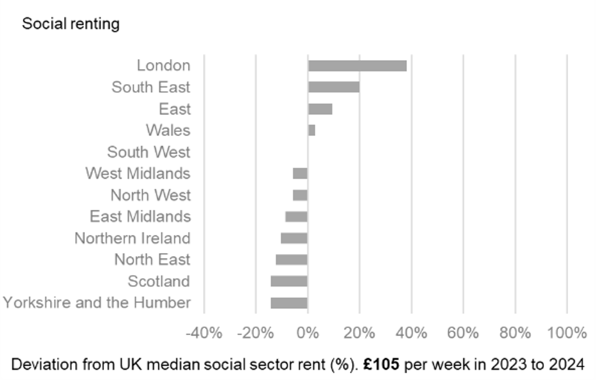
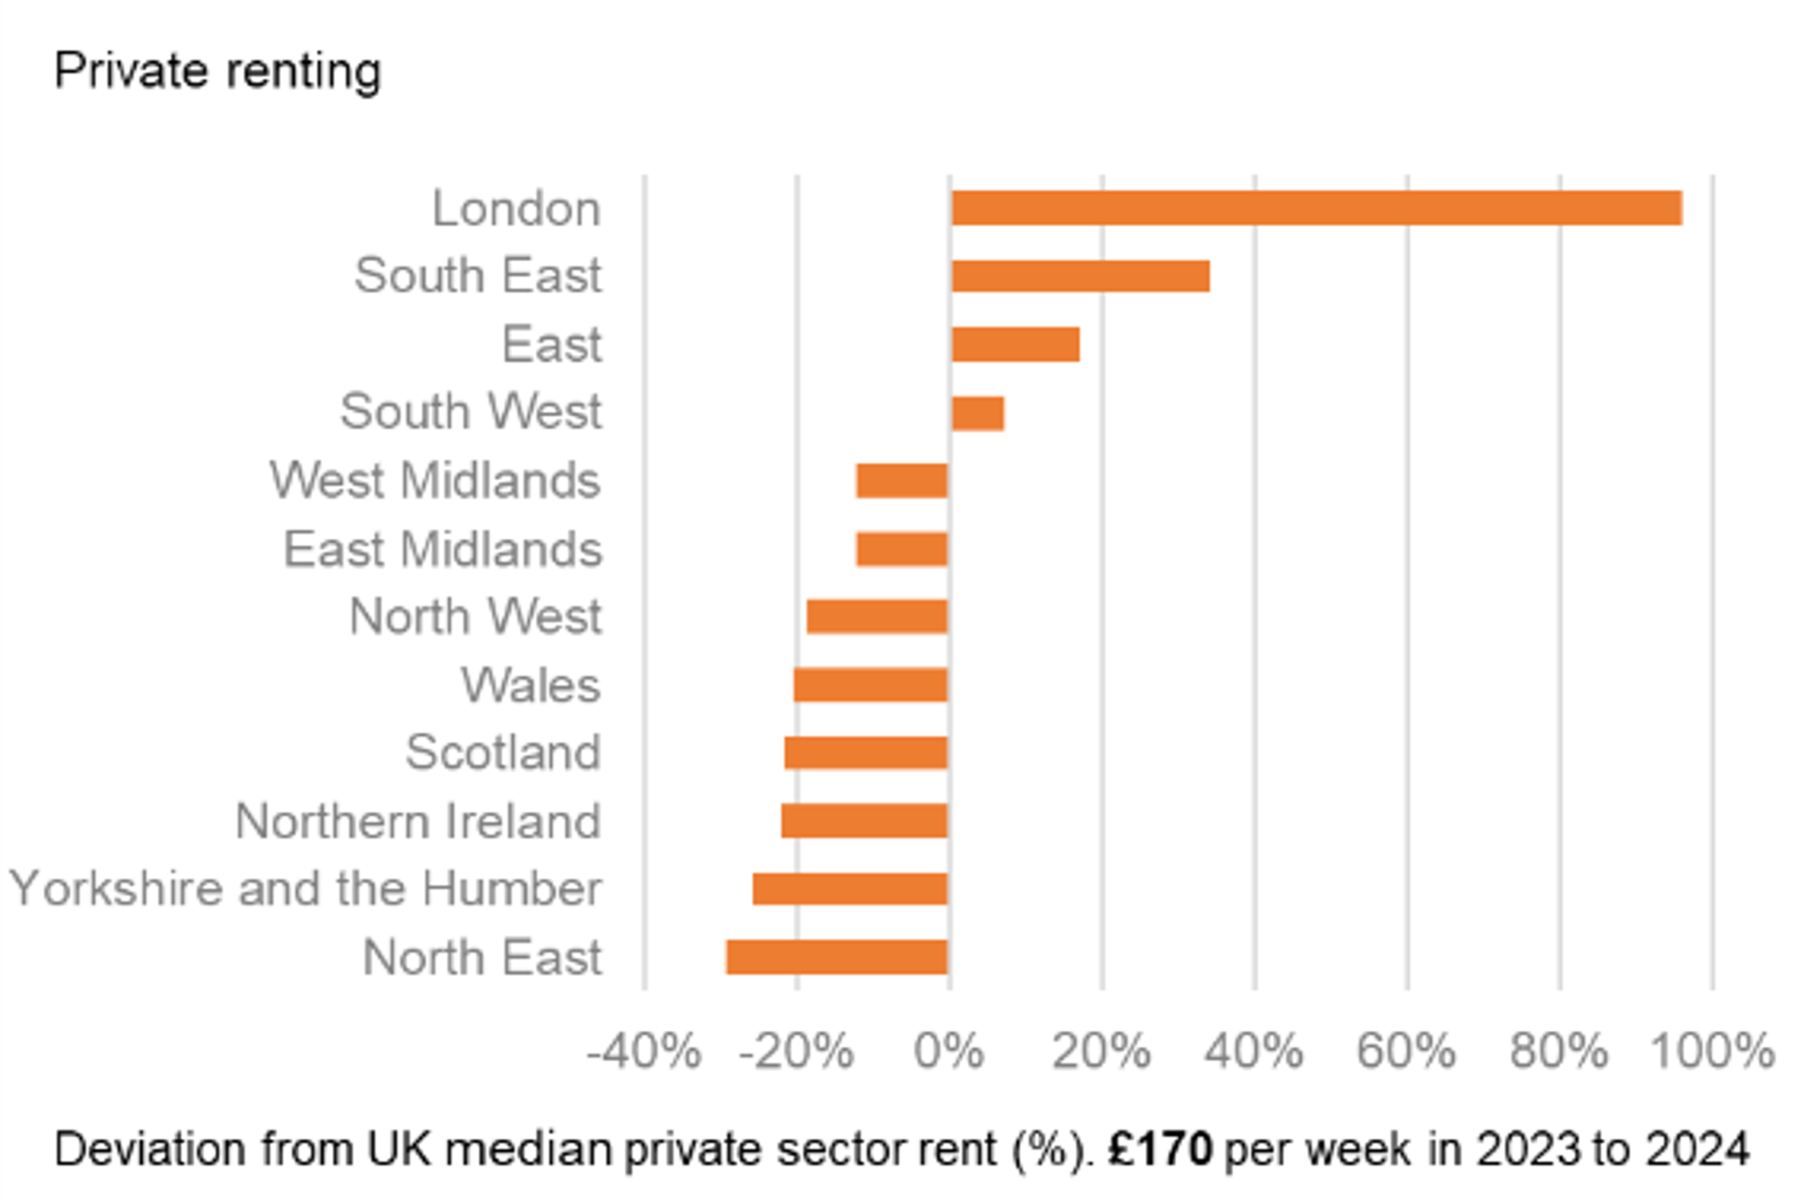
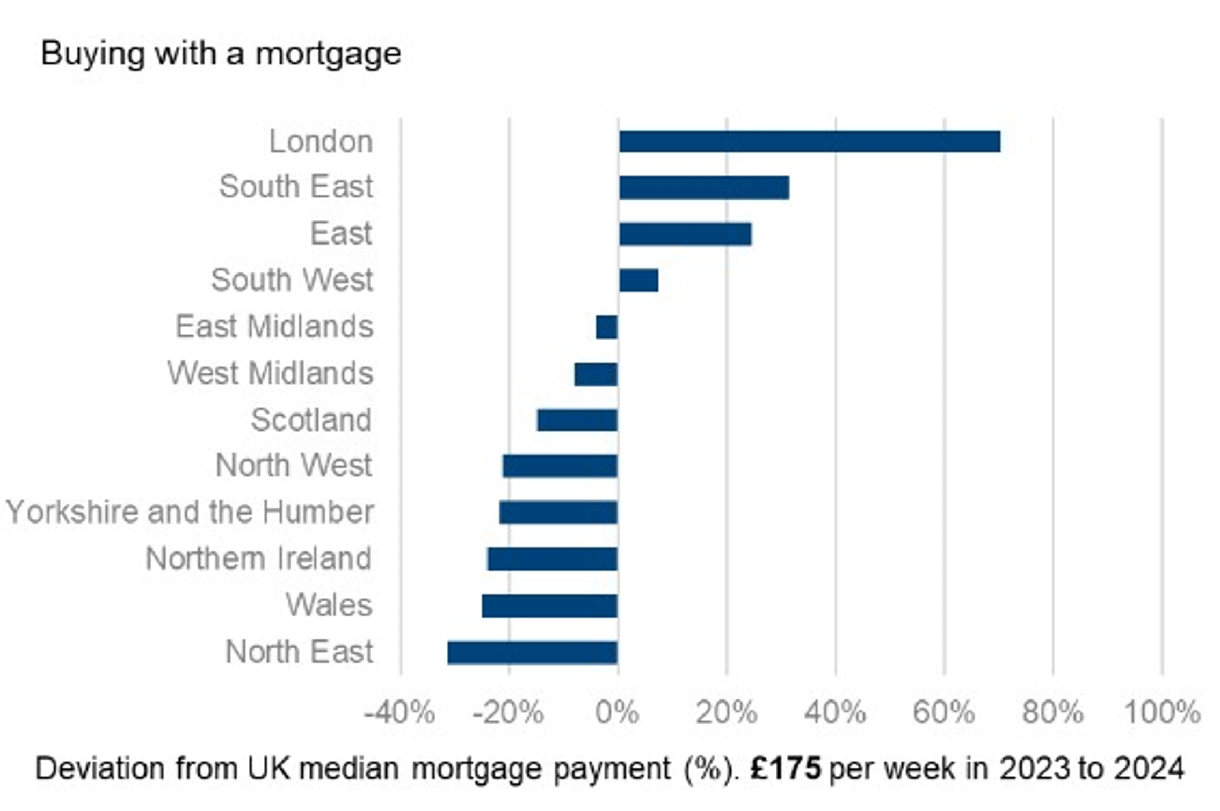
Region/Country | Social renting | Sample size | Private renting [Note 2] | Sample size | Repayment Mortgage payment [Note 11] [Note 14] | Sample size
United Kingdom | 105 | 2,720 | 170 | 2,627 | 175 | 3,633
Country
England | 108 | 1,891 | 179 | 1,990 | 184 | 2,649
Wales | 108 | 213 | 135 | 165 | 131 | 244
Scotland | 90 | 331 | 133 | 193 | 149 | 312
Northern Ireland | 94 | 285 | 132 | 279 | 133 | 428
Great Britain | 105 | 2,435 | 172 | 2,348 | 177 | 3,205
Region
North East | 92 | 159 | 120 | 78 | 120 | 140
North West | 99 | 250 | 138 | 275 | 138 | 348
Yorkshire and the Humber | 90 | 212 | 126 | 238 | 137 | 312
East Midlands | 96 | 152 | 149 | 132 | 168 | 205
West Midlands | 99 | 174 | 149 | 167 | 161 | 221
East | 115 | 217 | 199 | 247 | 218 | 347
London | 145 | 306 | 333 | 346 | 298 | 278
South East | 126 | 249 | 228 | 299 | 230 | 503
South West | 105 | 172 | 182 | 208 | 188 | 295

